model_stats
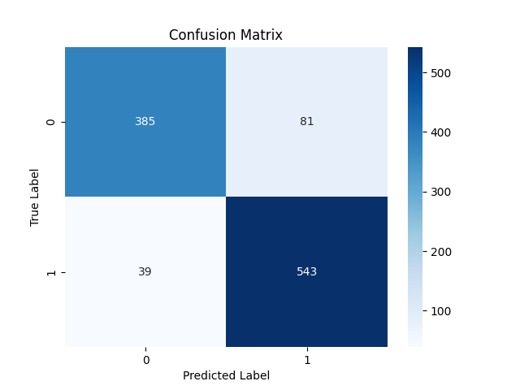

Metric | Score
Accuracy | 0.88549618321
Precision | 0.87019230769
Recall | 0.93298969072
F1 Score | 0.90049751244

Feature | Importance
RSI | 0.45184491332
MACD | 0.20109209792
Signal_line | 0.087909597491
close_long | 0.06008337389
close_short | 0.054097492782
VIX_long | 0.046674692955
VIX_short | 0.044932701381
VIX | 0.034166607915
fedrate | 0.019198522351

