model_stats
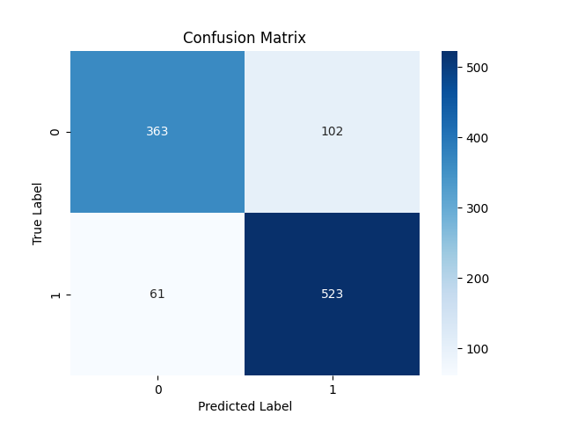

Metric | Score
Accuracy | 0.84461391802
Precision | 0.8368
Recall | 0.89554794521
F1 Score | 0.86517783292

Feature | Importance
MACD | 0.42290883385
RSI | 0.28483882705
Signal_line | 0.14173367532
close_long | 0.038462273813
close_short | 0.028339042931
DJI | 0.026846355205
VIX_short | 0.022022105272
VIX_long | 0.017911506462
VIX | 0.016937380101

