model_stats
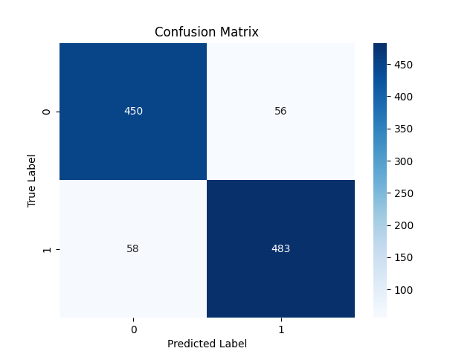

Metric | Score
Accuracy | 0.89111747851
Precision | 0.8961038961
Recall | 0.89279112754
F1 Score | 0.89444444444

Feature | Importance
RSI | 0.43466771174
MACD | 0.2378829424
Signal_line | 0.095864479953
VIX_short | 0.048254454317
VIX_long | 0.042756281686
close_short | 0.040078269659
close_long | 0.039990352336
VIX | 0.031805555511
DJI | 0.028699952398

