model_stats
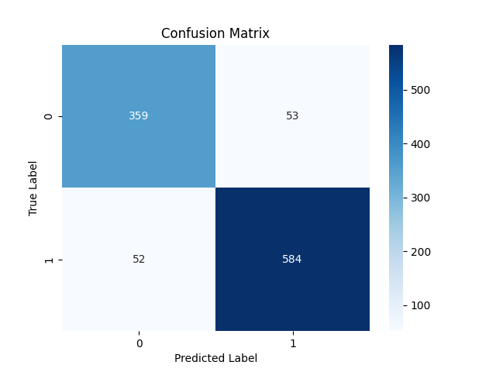

Metric | Score
Accuracy | 0.89980916031
Precision | 0.91679748823
Recall | 0.91823899371
F1 Score | 0.91751767478

Feature | Importance
RSI | 0.47918187959
MACD | 0.19476940885
Signal_line | 0.081496980705
VIX_short | 0.056498145277
VIX_long | 0.047397041515
VIX | 0.045960513819
close_long | 0.041759027664
close_short | 0.035891335476
fedrate | 0.017045667098

