model_stats
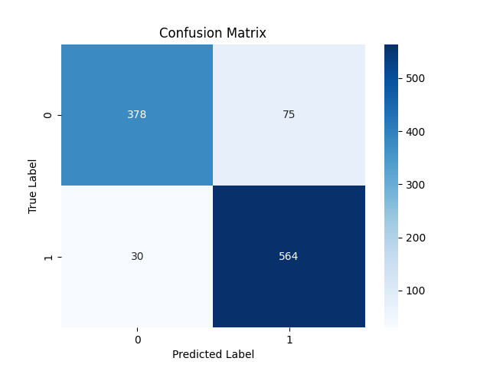

Metric | Score
Accuracy | 0.89971346705
Precision | 0.88262910798
Recall | 0.94949494949
F1 Score | 0.91484184915

Feature | Importance
RSI | 0.46056424123
MACD | 0.24493075323
Signal_line | 0.097953702415
close_long | 0.043871373033
close_short | 0.037845879174
VIX_short | 0.034430295894
VIX | 0.027457654124
VIX_long | 0.02647626598
DJI | 0.026469834921

