model_stats
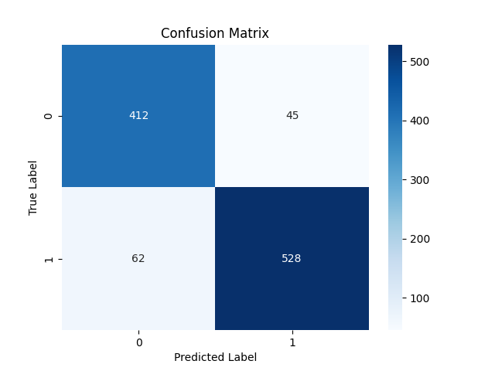

Metric | Score
Accuracy | 0.89780324737
Precision | 0.92146596859
Recall | 0.89491525424
F1 Score | 0.90799656062

Feature | Importance
RSI | 0.42940323785
MACD | 0.28898224785
Signal_line | 0.10726197698
VIX_short | 0.038058604432
close_short | 0.033294028887
VIX | 0.030568935758
close_long | 0.029642606964
VIX_long | 0.025303954793
fedrate | 0.017484406482

