Equip. Details
1

2

3, 4 & 5

6

7 & 8

9

10 | Everest Sales: 407-930-4437

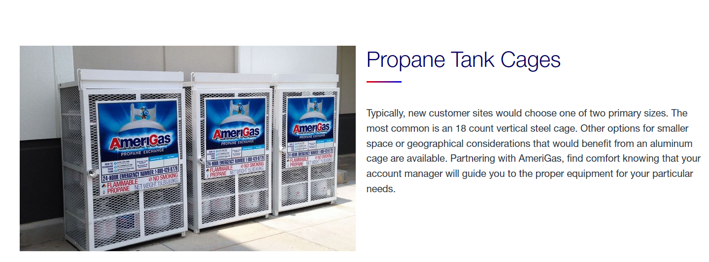
11

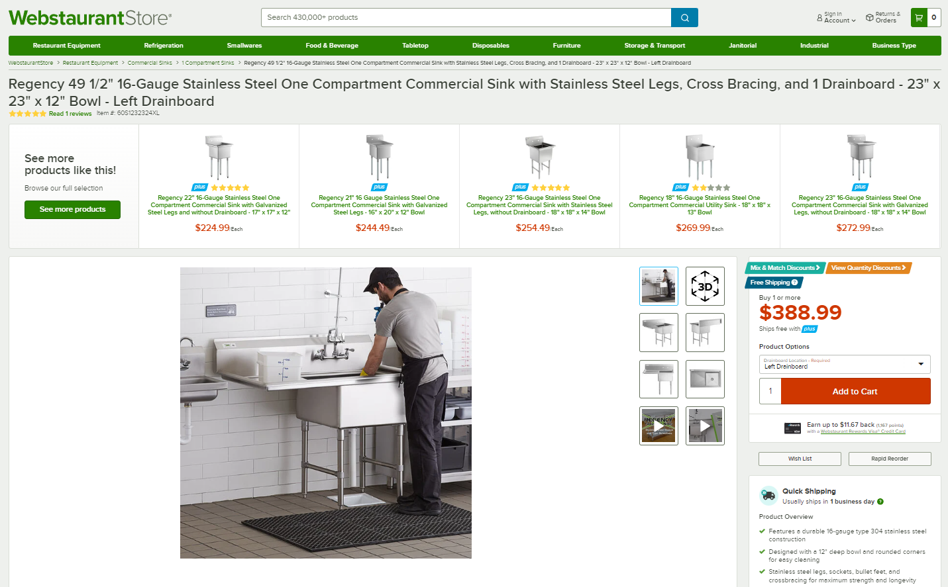
12

C-Store
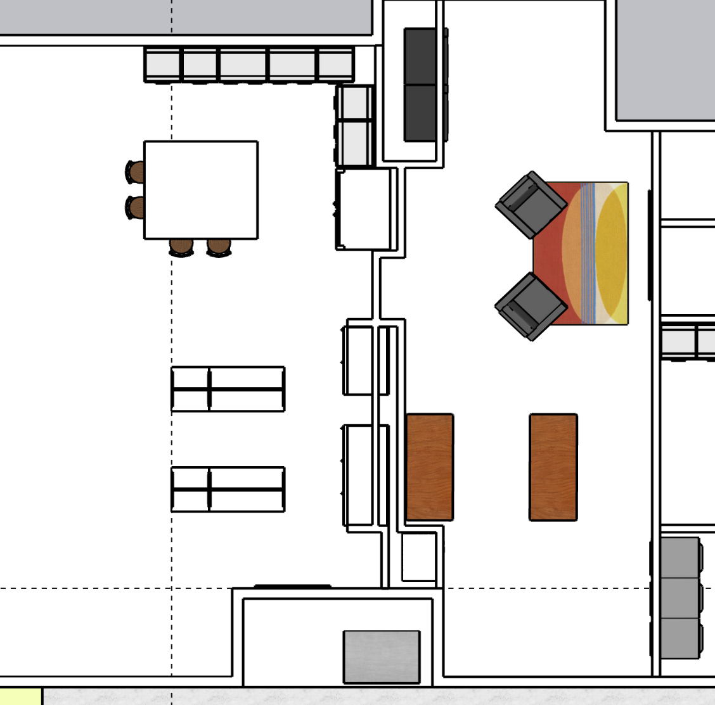
V1
V2
Location |  | Notes | Product List
Vending
 | V1 | Cold
V3
 | V2 | Non-Temp
 | V3 | Hot
 | V4 | Laundry

Refrigeration |  |  | 15 shelves + 3 bases = 18 display areas at 23" deep x 30" wide
 | R1
 | R2
 | R3
Freezer
72"
F2
38"
 | F1
 | F2
S4
30"
F1
Shelving | # of shelves not including base | Height of shelf unit | Height per shelf | Total # of shelves | Shelf Depth | Shelf Length | Surface Area sq ft | Total Surface Area
S3
 | 5 | 60 | 10 | 24 | 14.75 | 72 | 7.375 | 177
38"
R3
 | S1
R2
S2
30"
S1
R1

52"
38"
V4

Notes
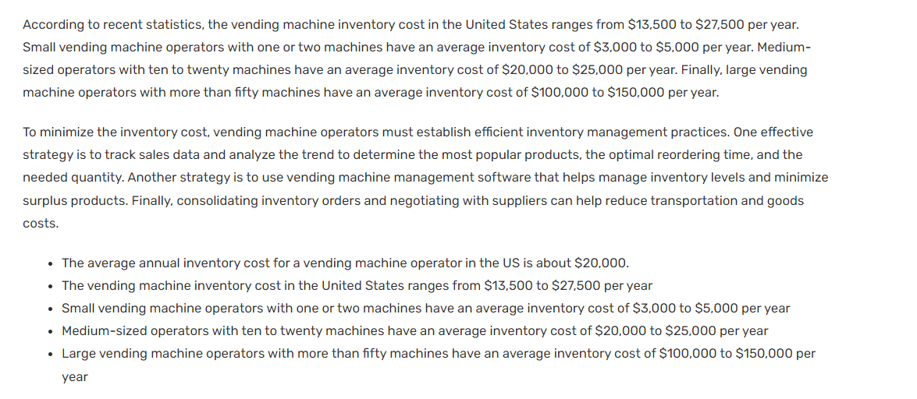
Notes
 | May already be on the high end up terms of pricing
 |  | D & R River City RV Resort offers the following:

 |  | with the following amenities:

Tent Rentals: https://www.hipcamp.com/en-US
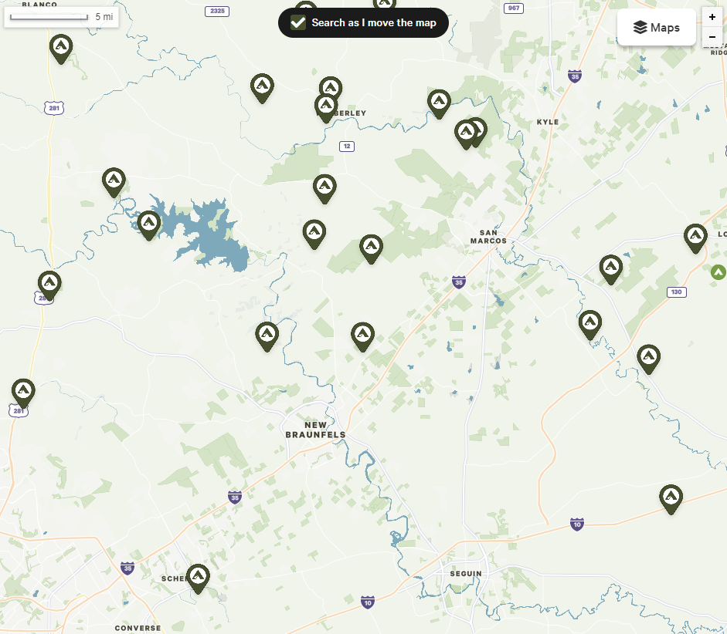

 |  |  |  | Nightly Rates
 |  |  |  | $12
 |  |  |  | $10
 |  |  |  | $30
 |  |  |  | $40
 |  |  |  | $50
 |  |  |  | $20
 |  |  |  | $45
 |  |  |  | $15
 |  |  |  | $75
 |  |  |  | $20
 |  |  |  | $50
 |  |  |  | $50
 |  |  |  | $50
 |  |  |  | $50
 |  |  |  | $40
 |  |  |  | $25
 |  |  |  | $50
 |  |  |  | $45
 |  |  |  | $30
 |  |  |  | $50
 |  |  |  | $35
 |  |  |  | $40
 |  |  |  | $35
 |  |  | Avg. | $38
 |  |  | Min. | $10
 |  |  | Max. | $75

Golf Cart Rents
 | https://www.golfcartsolutions.com/golf-cart-rentals

Vending Machines

 | https://www.upflip.com/blog/vending-machine-business-plan#:~:text=The%20vending%20machine%20industry%20makes,the%20average%20across%20the%20industry.
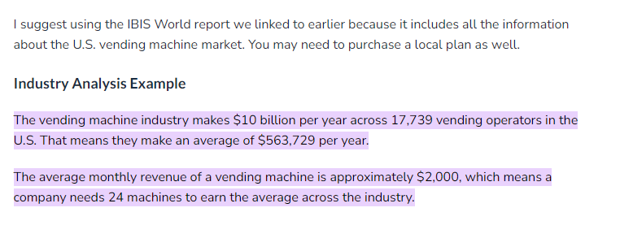

 | https://finmodelslab.com/blogs/operating-costs/vending-machines-operating-costs

