Sheet1
Full Surface |  |  | Cropped Surface
FRE (4 points) | TRE before Surface | TRE after Surface | FRE (4 points) | TRE before Surface | TRE after Surface
2 | 3 | 3 | 2 | 6 | 1.4
5 | 8 | 2.7 | 5 | 4 | 1.4
6 | 7 | 3.3 | 6 | 8 | 2.1
7 | 5 | 3.5 | 7 | 8 | 1.2
 | Average | 3.125 |  | Average | 1.525

Cropped Surface
 |  | 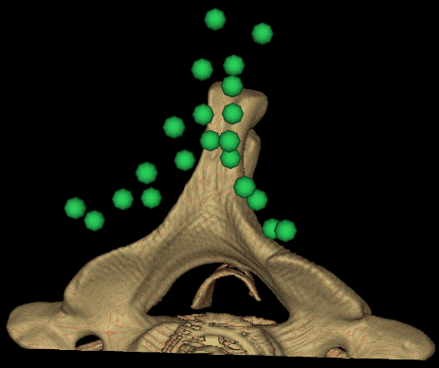 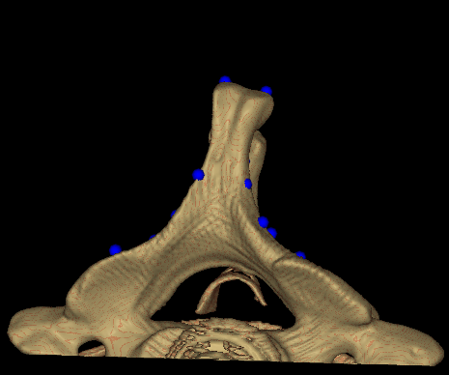

Surface Reg.

Target Point for TRE

