Split_AlexNet
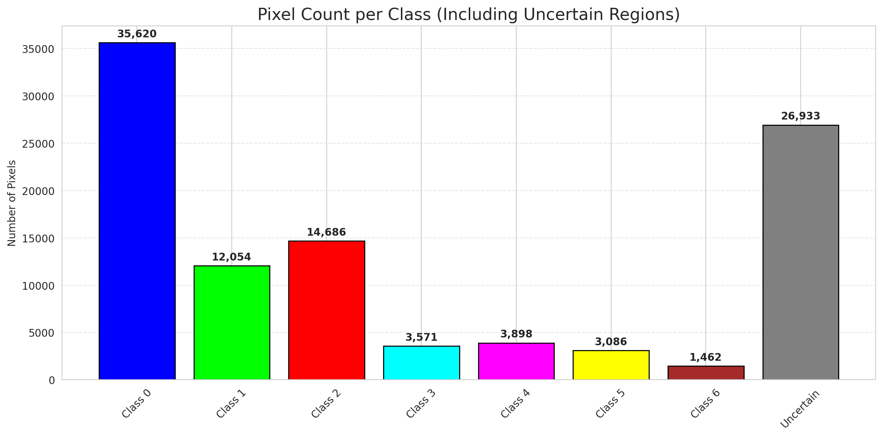
SplitConformal - AlexNet |  |  |  |  |  |  |  |  | Per-Class Coverage
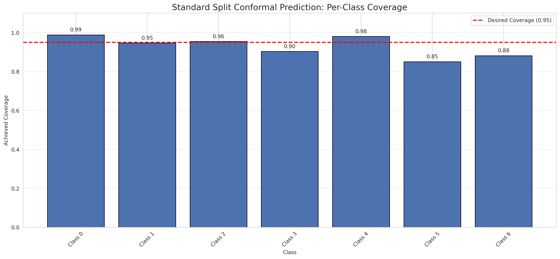
Summary
model_name | method | target_coverage | empirical_coverage | avg_set_size | median_set_size | singleton_rate | empty_set_rate | runtime_sec | alpha | lam | n_clusters | mean_per_class_coverage
AlexNet | SplitConformal | 0.95 | 0.95823665893 | 0.95823665893 | 1 | 0.95823665893 | 0.041763341067 | 2.62444425 | 0.05 |  |  | 0.92999376882

Per-Class Coverage Values
class_id | class_coverage | support_count
0 | 0.98905908096 | 914
1 | 0.94713656388 | 454
2 | 0.95530726257 | 358
3 | 0.90384615385 | 156
4 | 0.98076923077 | 104
5 | 0.85148514851 | 101
6 | 0.88235294118 | 68

Pixel Counts
class_id | label | pixel_count
0 | Class 0 | 35620
1 | Class 1 | 12054
2 | Class 2 | 14686
3 | Class 3 | 3571
4 | Class 4 | 3898 |  |  |  |  |  |  | Certain vs Uncertain Map
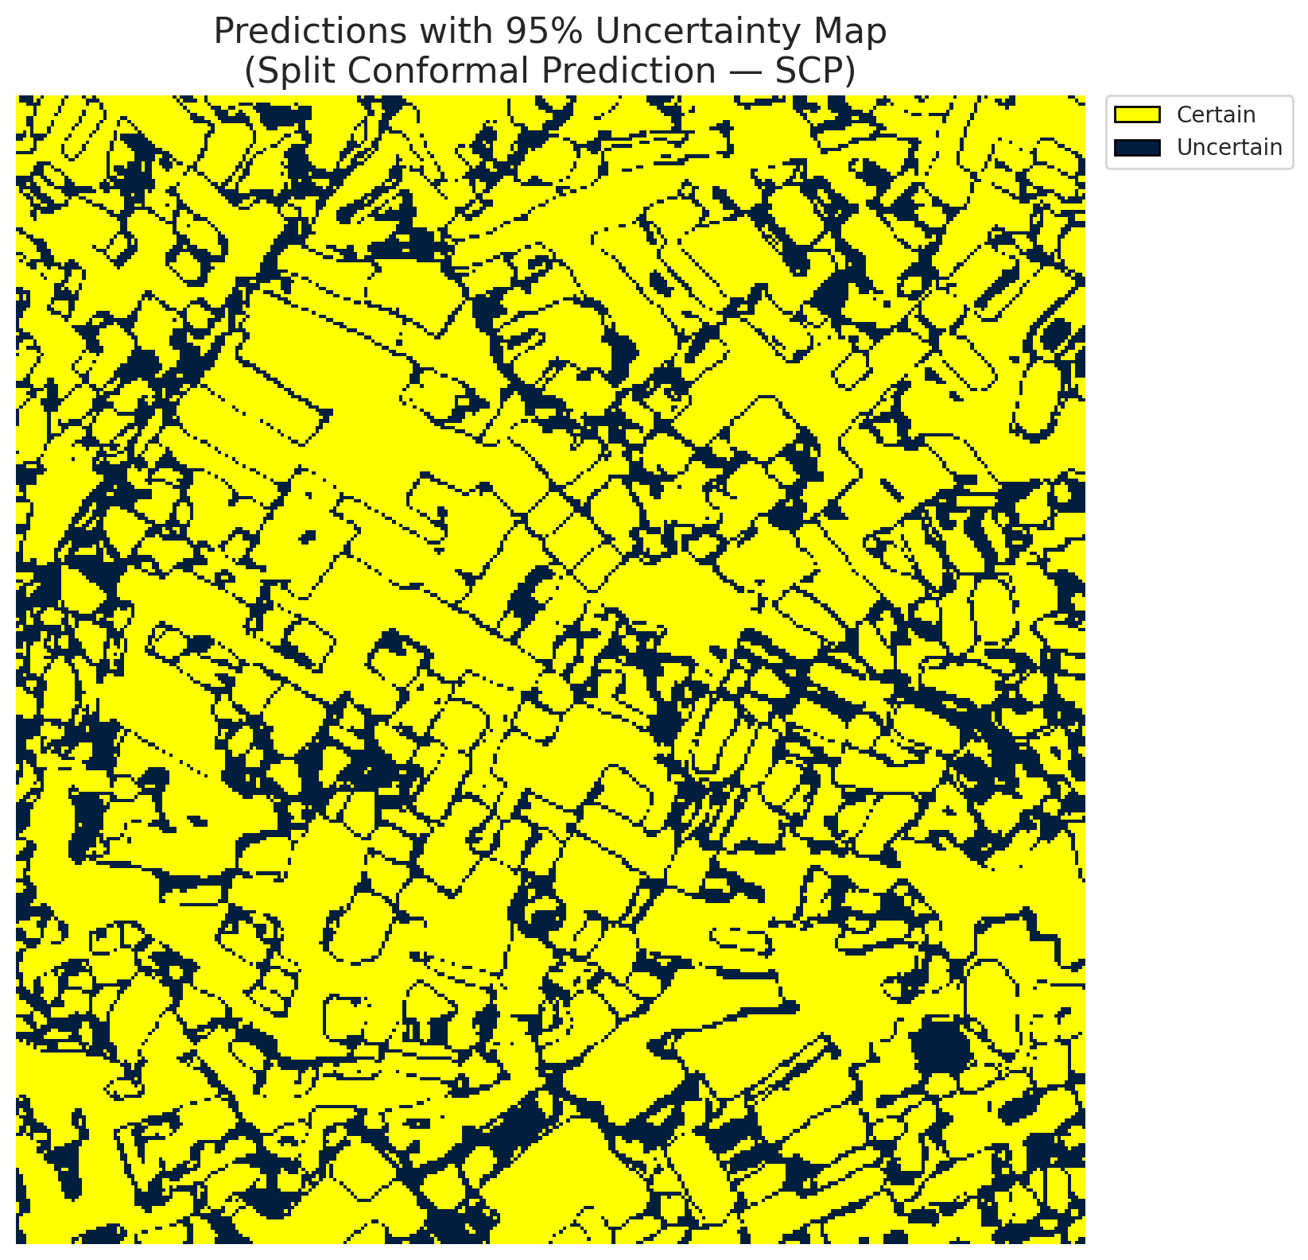
5 | Class 5 | 3086
6 | Class 6 | 1462
7 | Uncertain | 26933

Threshold
q_hat_split
0.0019354398265

 |  |  |  |  |  |  |  |  | Class Map with Uncertain Mask
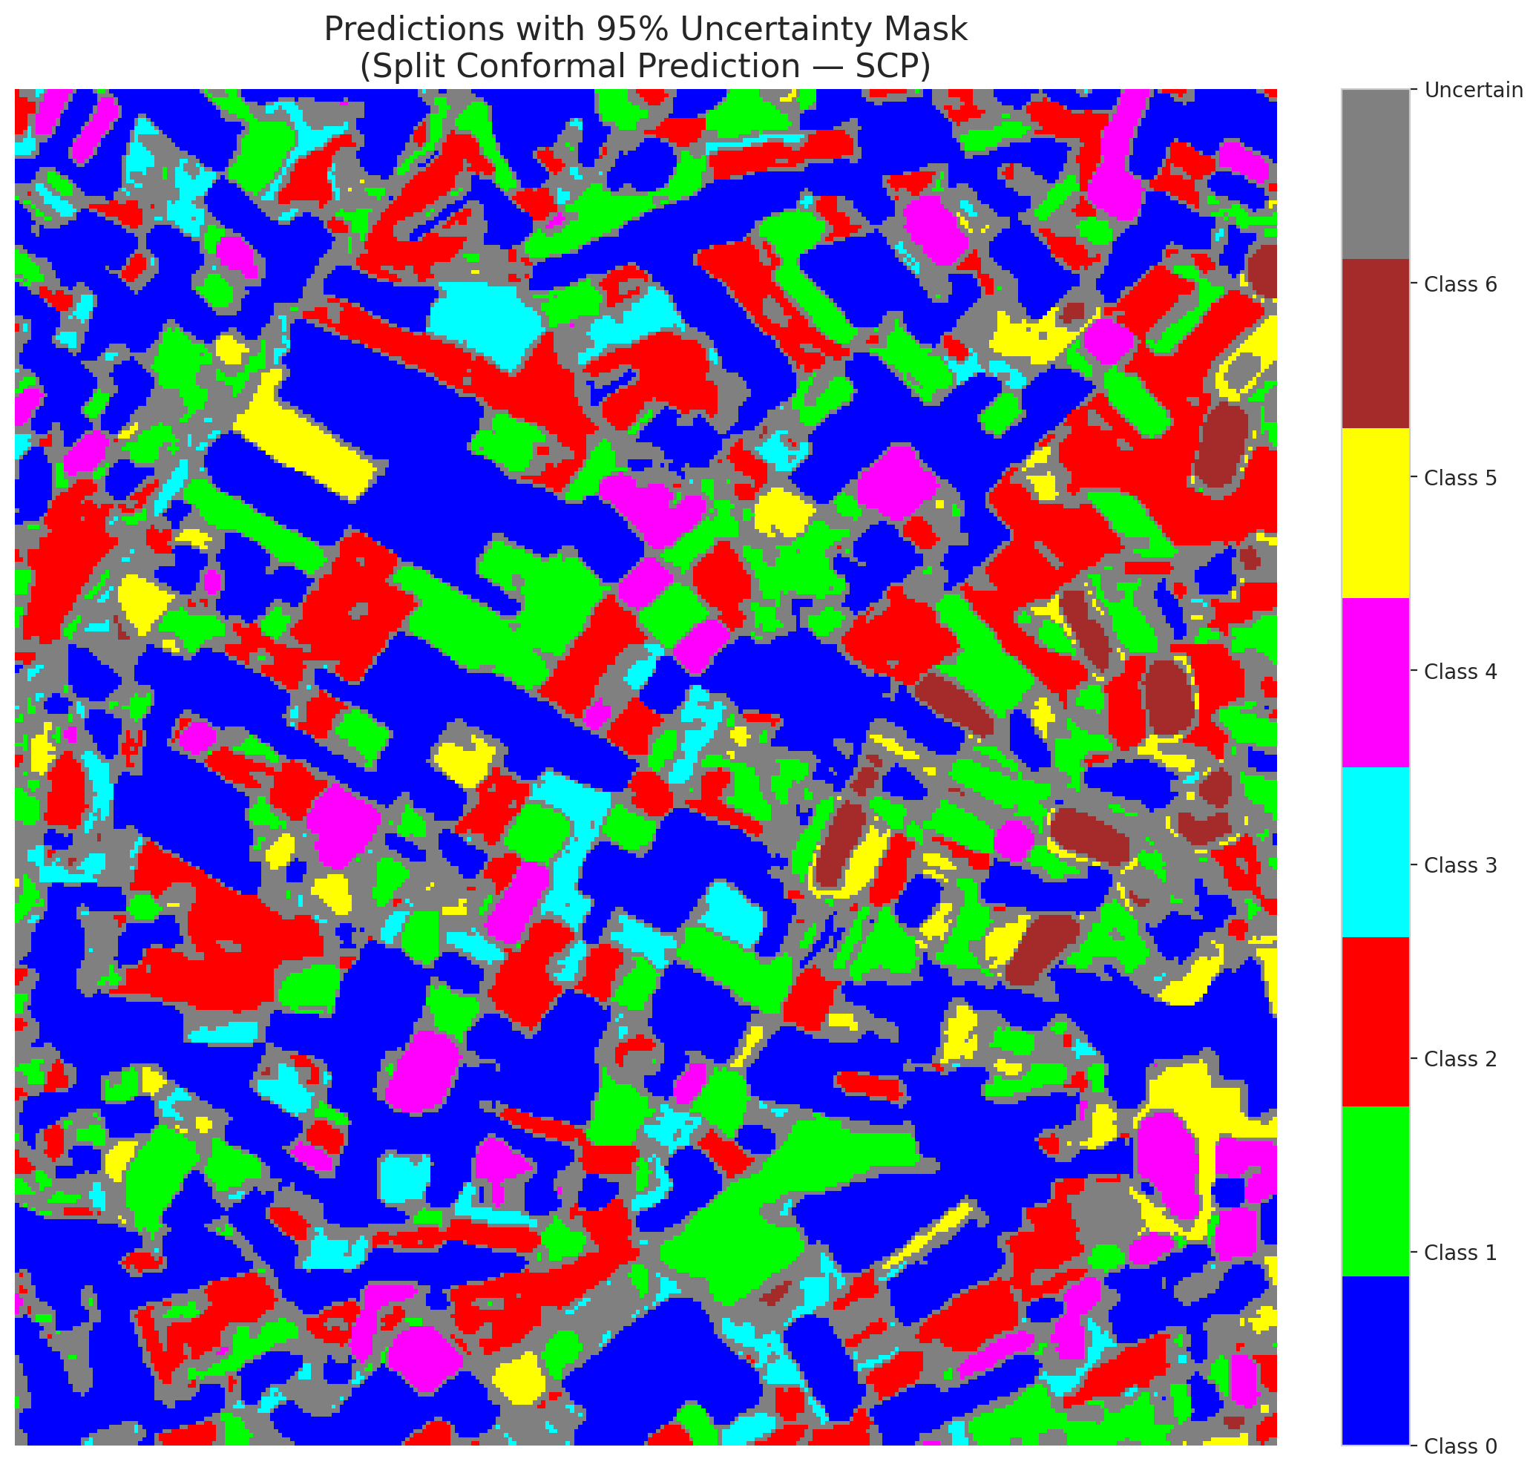

 |  |  |  |  |  |  |  |  | Pixel Counts

ClassCond_AlexNet
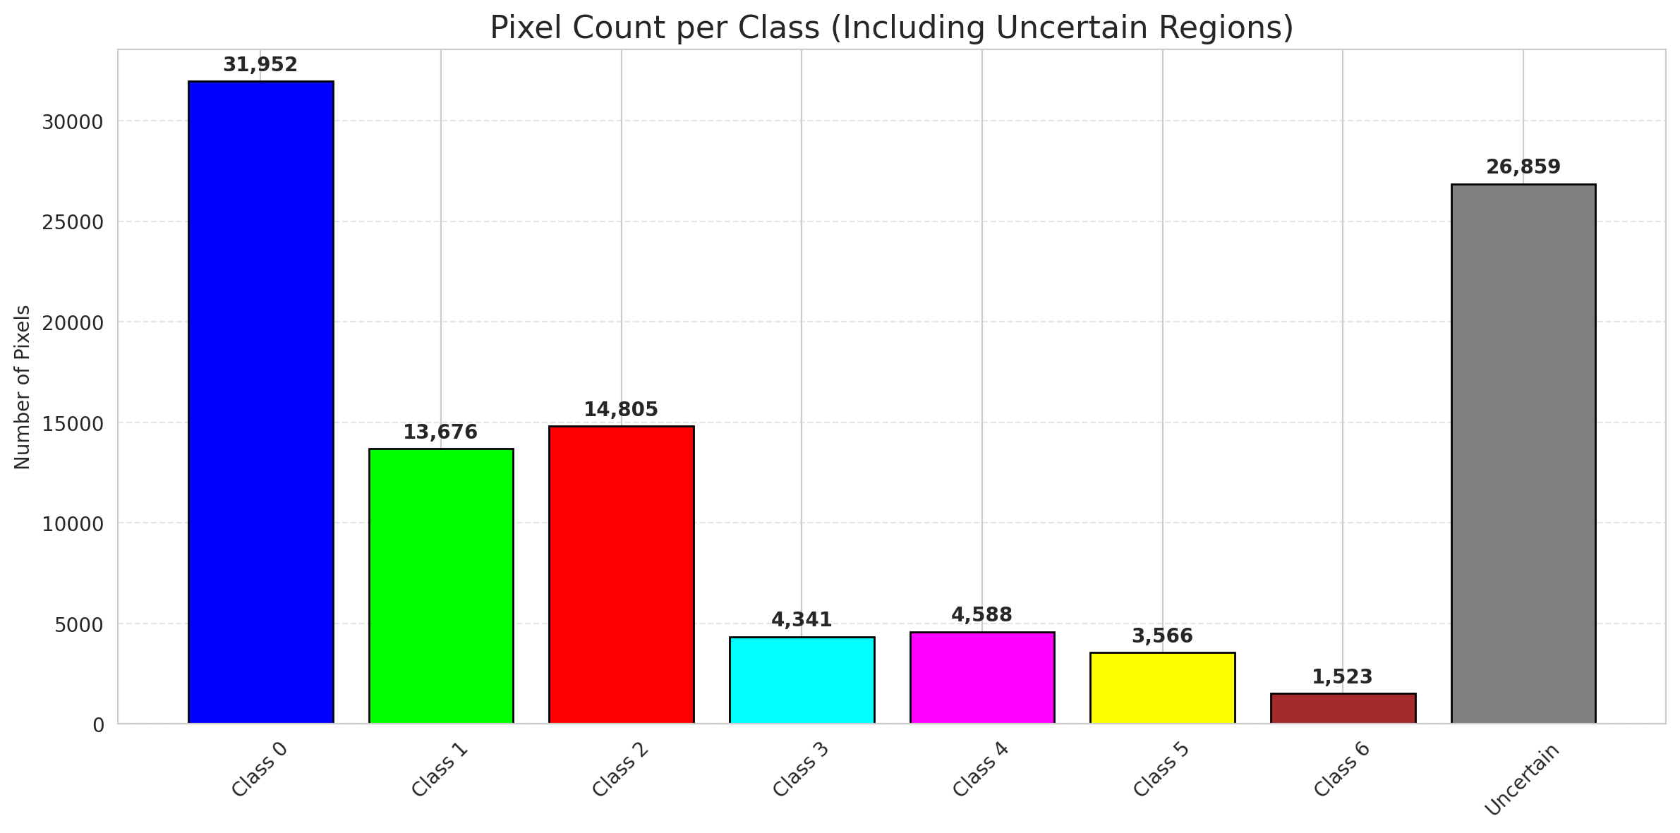
ClassConditionalConformal - AlexNet |  |  |  |  |  |  |  |  | Per-Class Coverage
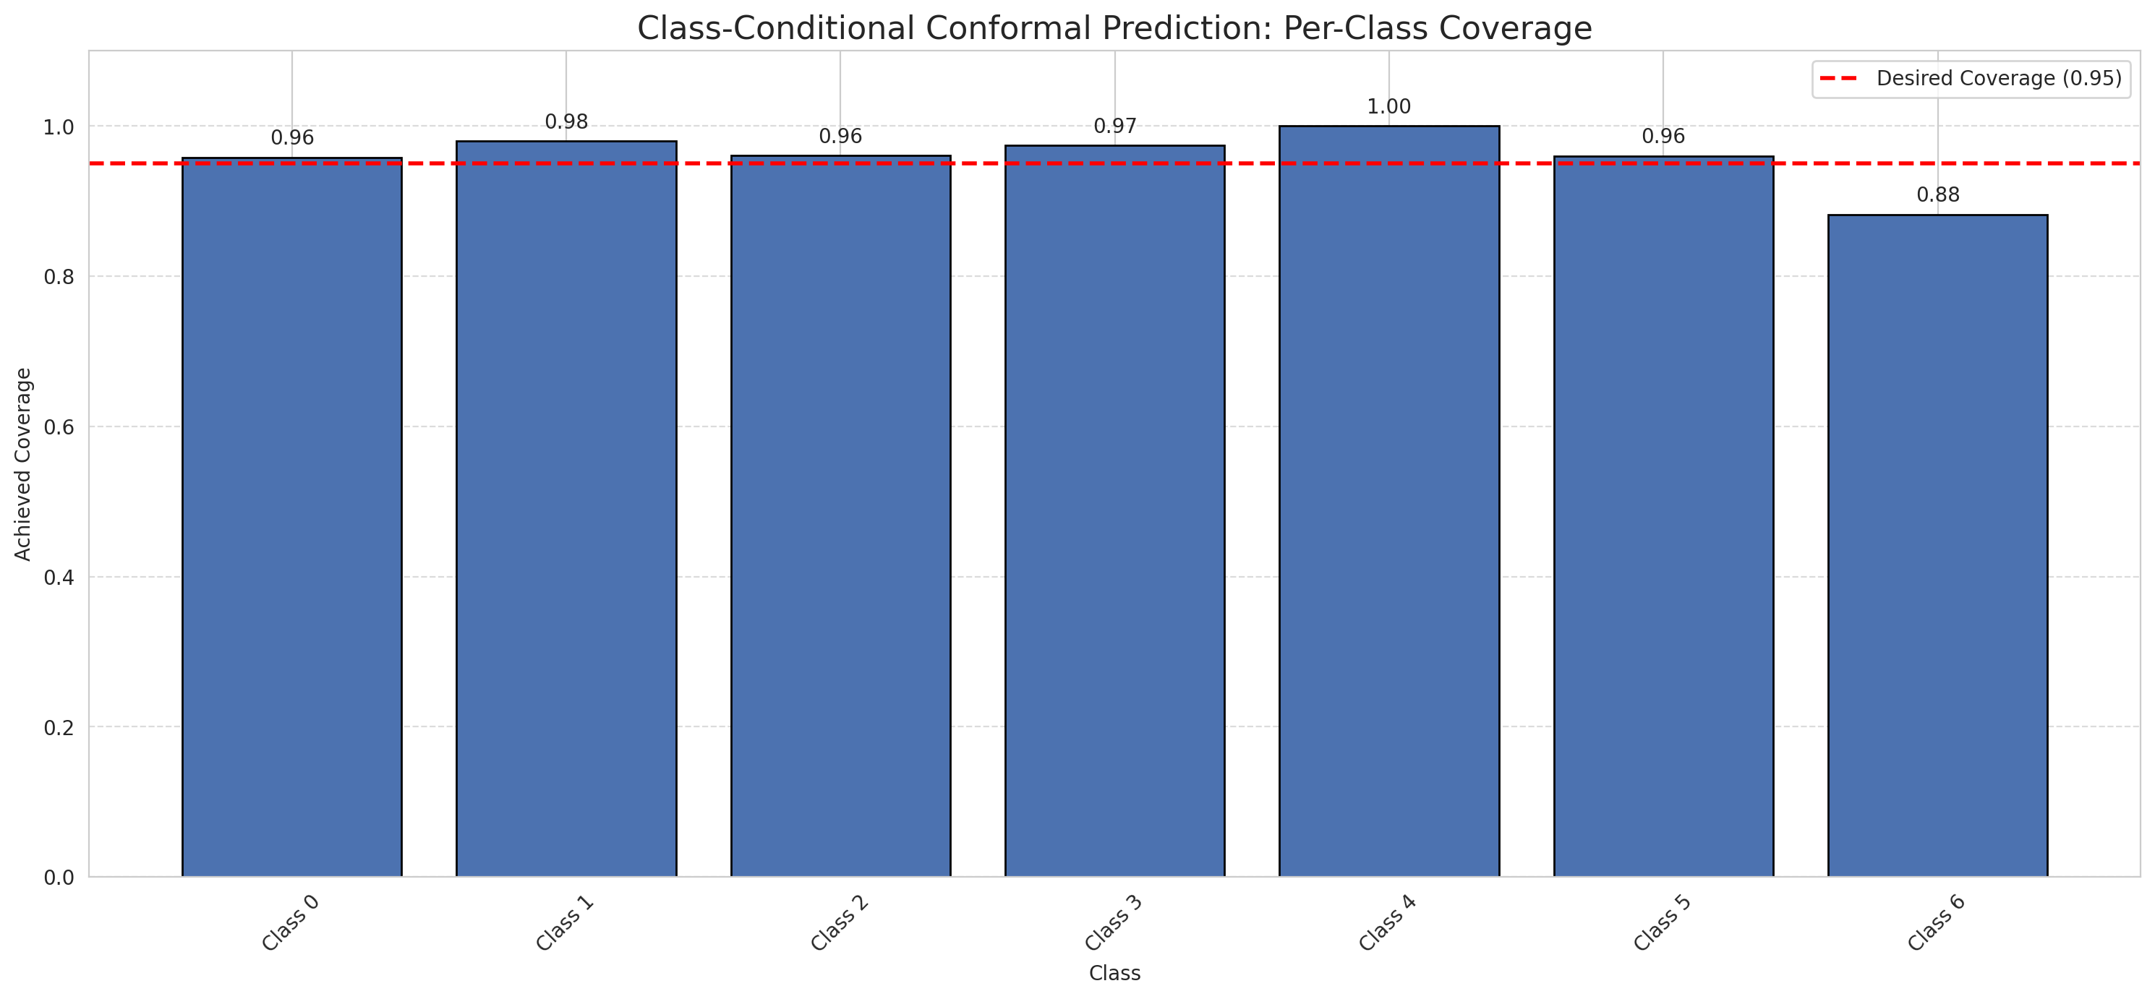
Summary
model_name | method | target_coverage | empirical_coverage | avg_set_size | median_set_size | singleton_rate | empty_set_rate | runtime_sec | alpha | lam | n_clusters | mean_per_class_coverage
AlexNet | ClassConditionalConformal | 0.95 | 0.96426914153 | 0.96426914153 | 1 | 0.96426914153 | 0.035730858469 | 2.050202063 | 0.05 |  |  | 0.959514647

Per-Class Coverage Values
class_id | class_coverage | support_count
0 | 0.95842450766 | 914
1 | 0.98017621145 | 454
2 | 0.96089385475 | 358
3 | 0.97435897436 | 156
4 | 1 | 104
5 | 0.9603960396 | 101
6 | 0.88235294118 | 68

Pixel Counts
class_id | label | pixel_count
0 | Class 0 | 31952
1 | Class 1 | 13676
2 | Class 2 | 14805
3 | Class 3 | 4341
4 | Class 4 | 4588 |  |  |  |  |  |  | Certain vs Uncertain Map
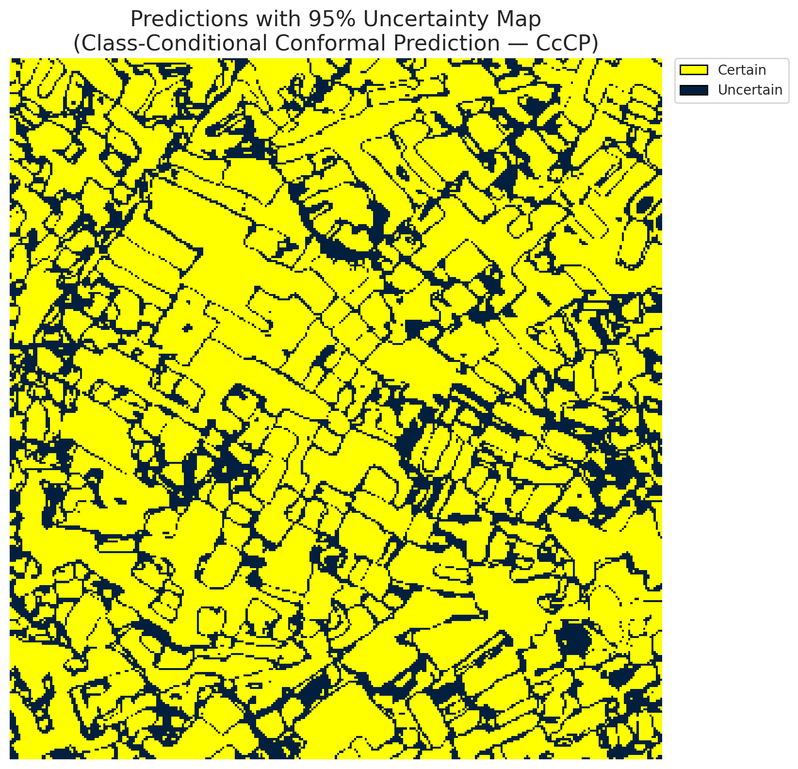
5 | Class 5 | 3566
6 | Class 6 | 1523
7 | Uncertain | 26859

Classwise q_hat
class_id | q_hat_classconditional
0 | 4.0595286012E-05
1 | 0.01036355543
2 | 0.0022409636133
3 | 0.0079062912122
4 | 0.053877290615
5 | 0.0054770722107
6 | 0.0029878858447

 |  |  |  |  |  |  |  |  | Class Map with Uncertain Mask
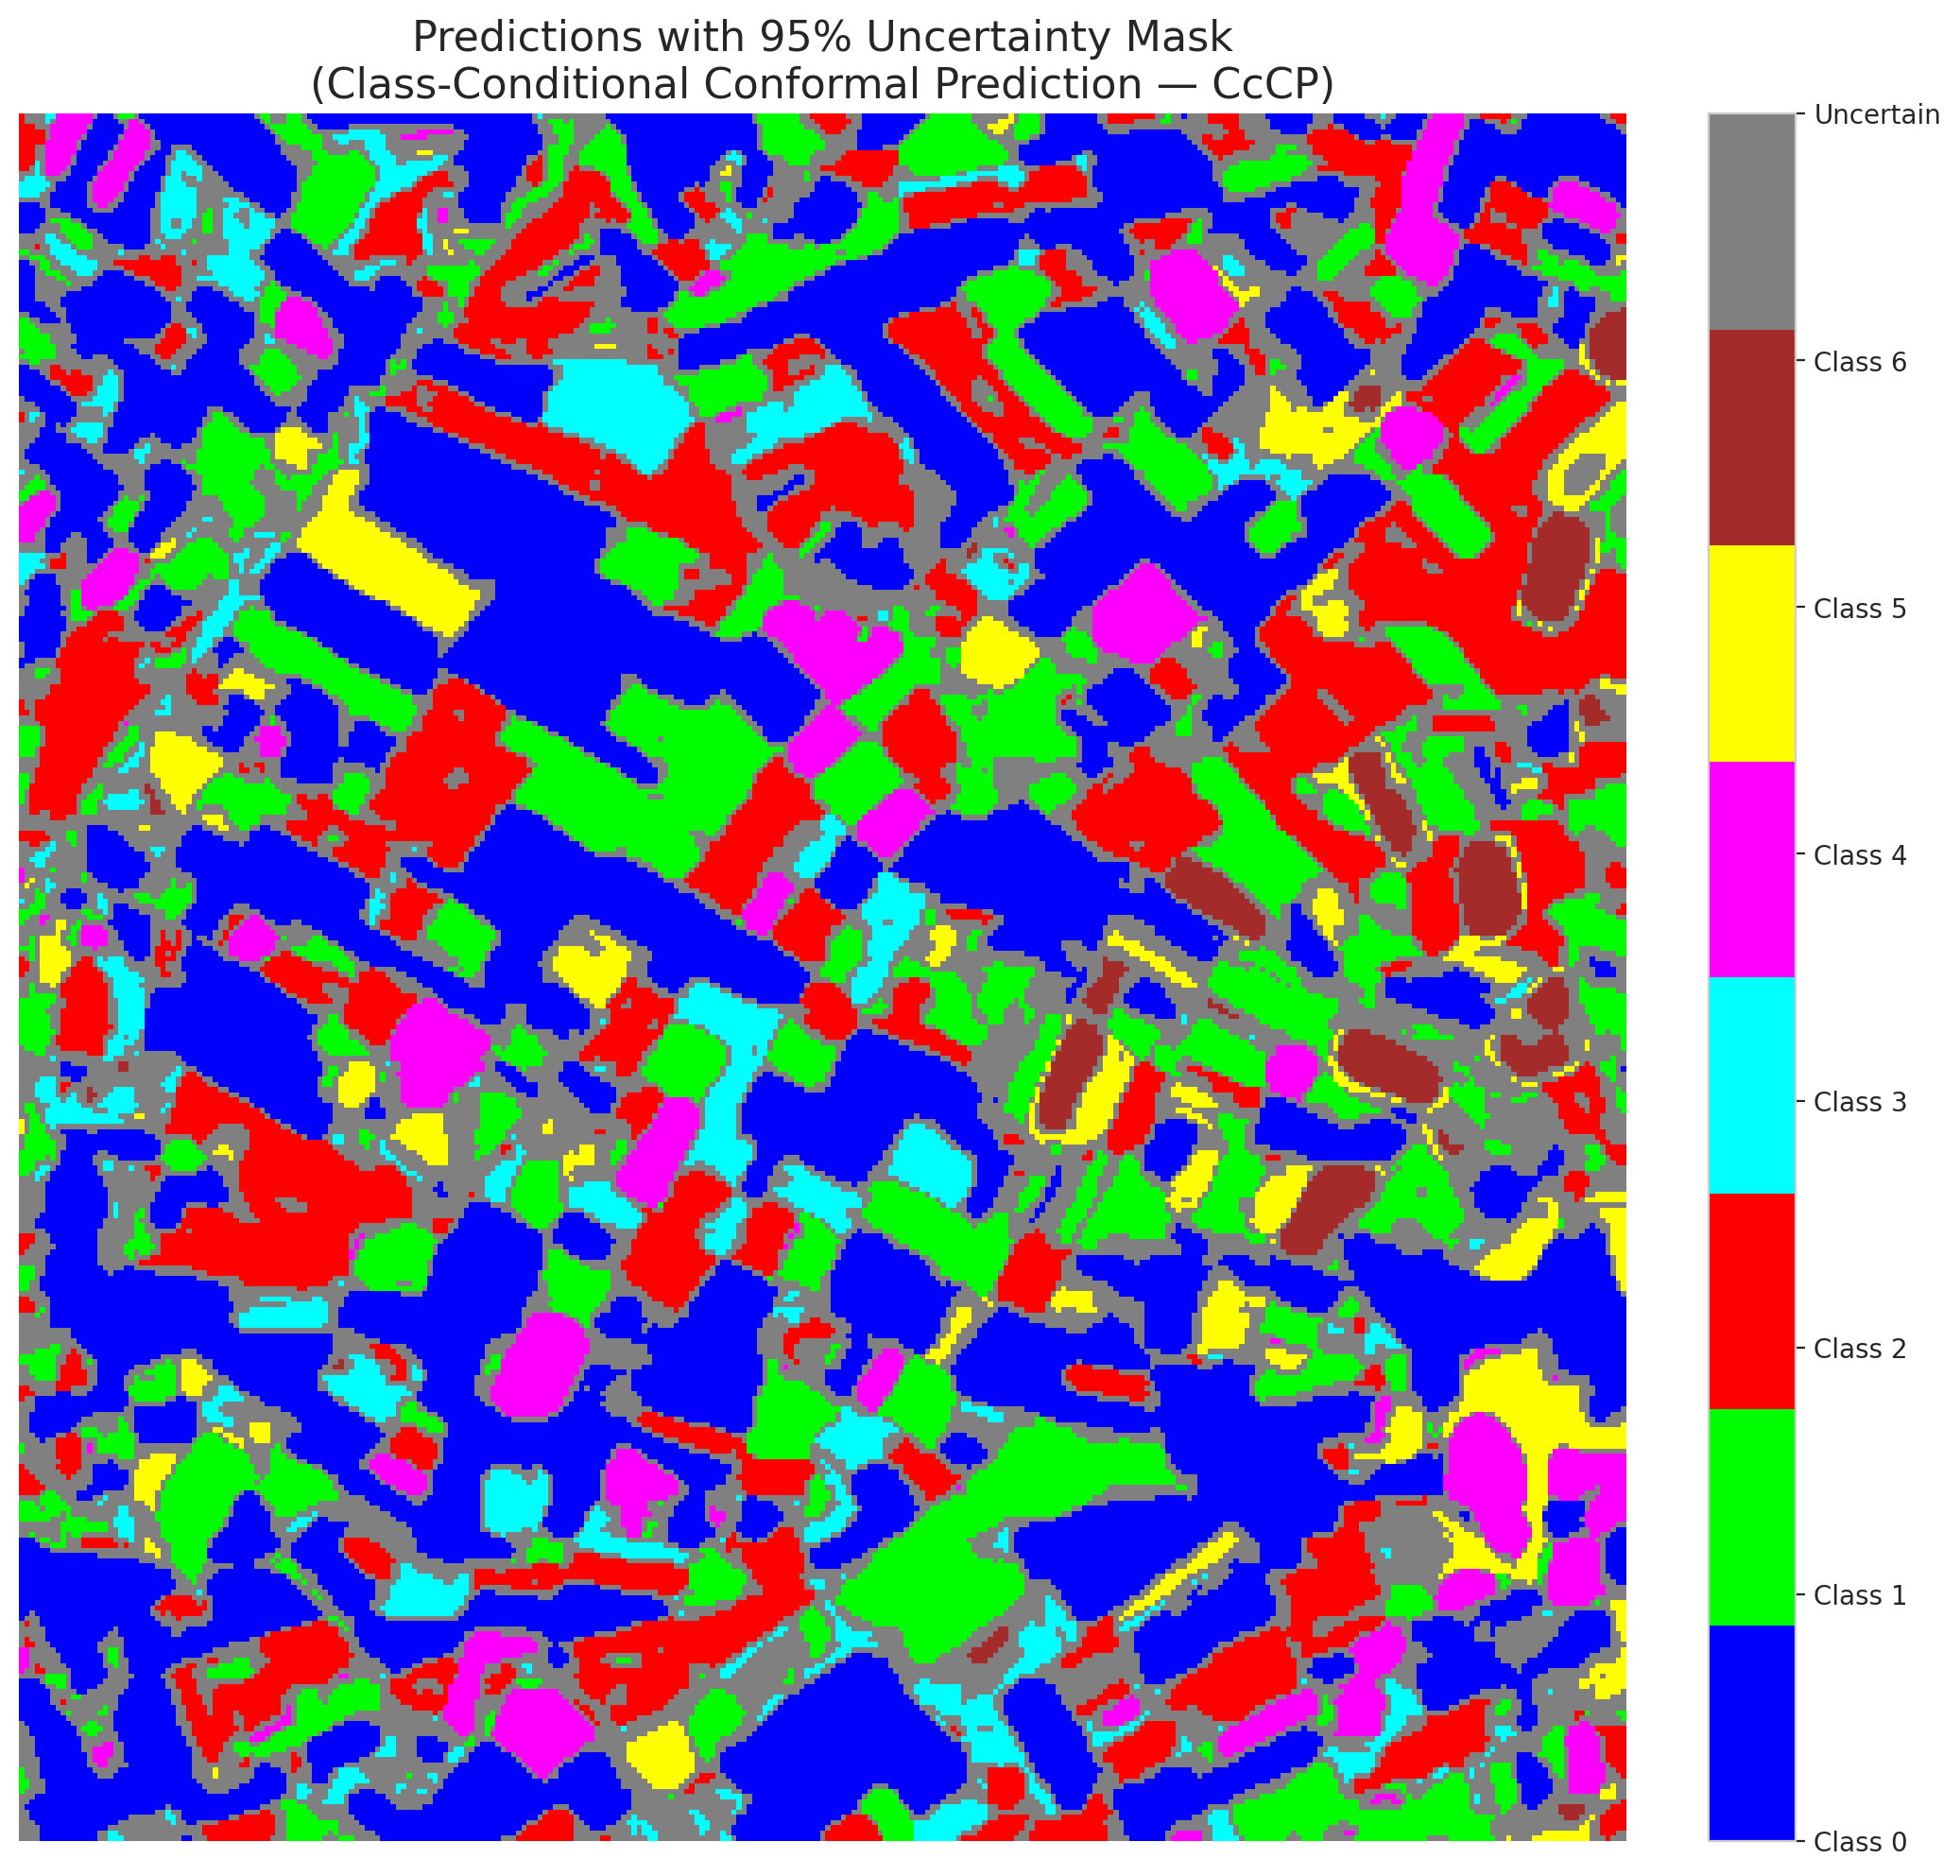

 |  |  |  |  |  |  |  |  | Pixel Counts

RC3P_AlexNet

RC3P - AlexNet |  |  |  |  |  |  |  |  | Per-Class Coverage
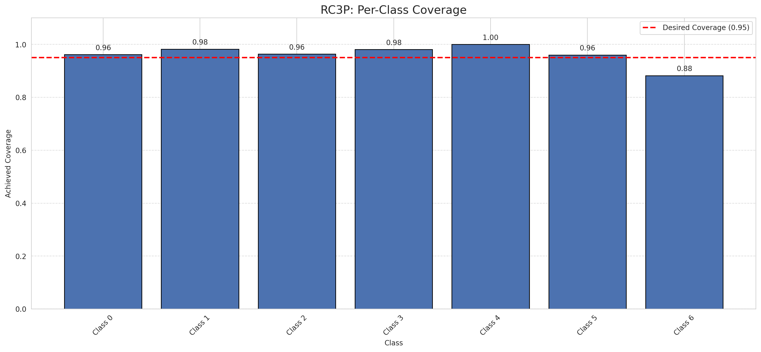
Summary
model_name | method | target_coverage | empirical_coverage | avg_set_size | median_set_size | singleton_rate | empty_set_rate | runtime_sec | alpha | lam | n_clusters | mean_per_class_coverage
AlexNet | RC3P | 0.95 | 0.96705336427 | 0.96705336427 | 1 | 0.96705336427 | 0.032946635731 | 1.603470881 | 0.05 |  |  | 0.96161300005

Per-Class Coverage Values
class_id | class_coverage | support_count
0 | 0.96170678337 | 914
1 | 0.98237885463 | 454
2 | 0.96368715084 | 358
3 | 0.98076923077 | 156
4 | 1 | 104
5 | 0.9603960396 | 101
6 | 0.88235294118 | 68

Pixel Counts
class_id | label | pixel_count
0 | Class 0 | 32380
1 | Class 1 | 14274
2 | Class 2 | 15007
3 | Class 3 | 4389
4 | Class 4 | 4691 |  |  |  |  |  |  | Certain vs Uncertain Map

5 | Class 5 | 3691
6 | Class 6 | 1523
7 | Uncertain | 25355

RC3P Thresholds & Limits
class_id | q_hat_rc3p | suit_index_limit
0 | 6.2123105331E-05 | 1
1 | 0.018610268867 | 1
2 | 0.0027962179838 | 1
3 | 0.0088795382946 | 1
4 | 0.077367545229 | 1
5 | 0.0073973876746 | 1
6 | 0.0029878858447 | 1

 |  |  |  |  |  |  |  |  | Class Map with Uncertain Mask
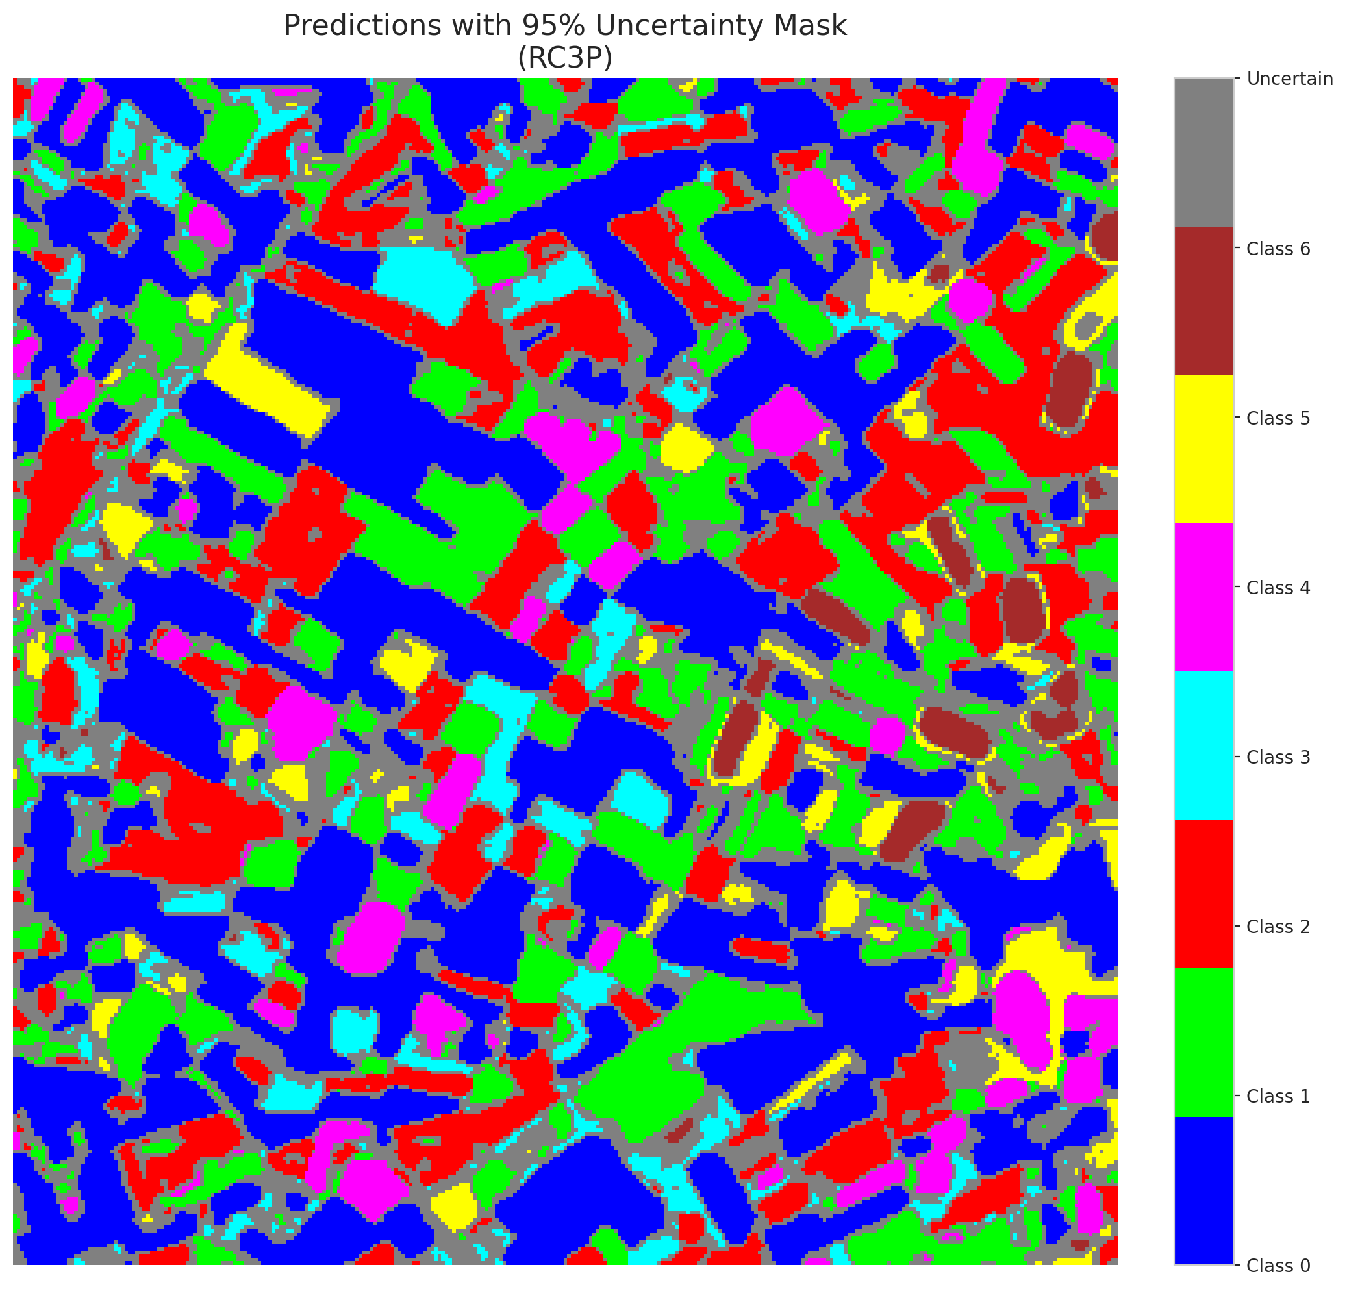

 |  |  |  |  |  |  |  |  | Pixel Counts

Clustered_AlexNet
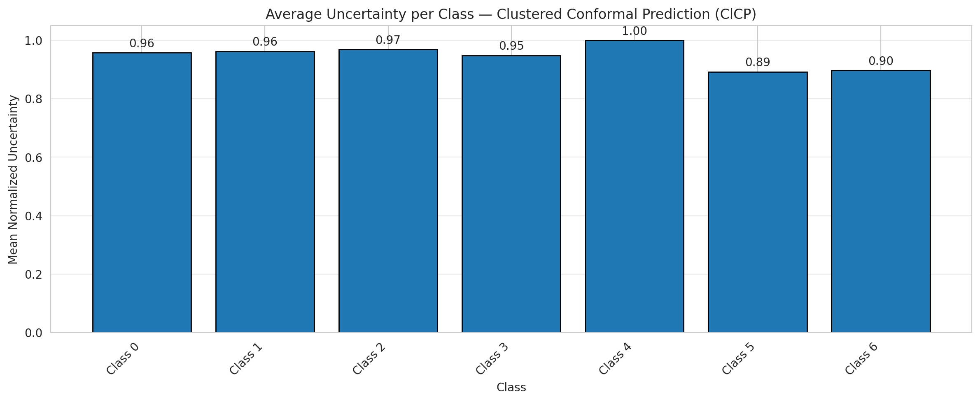
ClusteredConformal - AlexNet |  |  |  |  |  |  |  |  | Per-Class Coverage
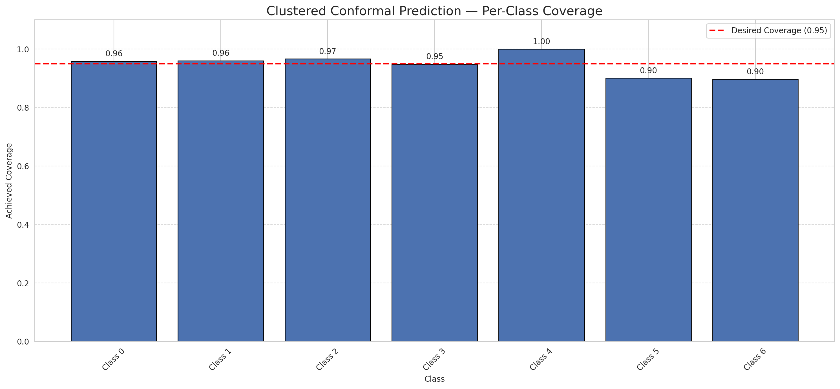
Summary
model_name | method | target_coverage | empirical_coverage | avg_set_size | median_set_size | singleton_rate | empty_set_rate | runtime_sec | alpha | lam | n_clusters | mean_per_class_coverage
AlexNet | ClusteredConformal | 0.95 | 0.95684454756 | 0.95684454756 | 1 | 0.95684454756 | 0.043155452436 | 2.497895875 | 0.05 |  | 4 | 0.94743203554

Per-Class Coverage Values
class_id | class_coverage | support_count
0 | 0.95842450766 | 914
1 | 0.96035242291 | 454
2 | 0.96648044693 | 358
3 | 0.94871794872 | 156
4 | 1 | 104
5 | 0.90099009901 | 101
6 | 0.89705882353 | 68

Class-to-Cluster Assignment
class_id | cluster_id
0 | 2
1 | 0
2 | 0
3 | 0
4 | 1 |  |  |  |  |  |  |  | Uncertainty Distribution
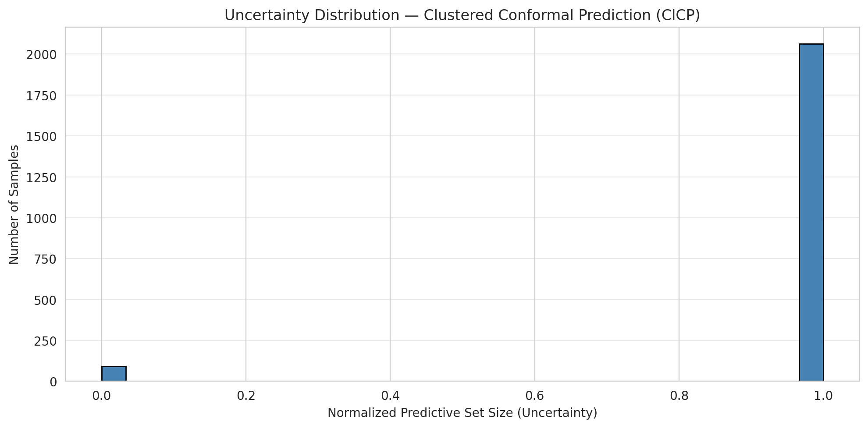
5 | 3
6 | 3

Cluster q_hat
cluster_id | q_hat_cluster
0 | 0.0044724564843
1 | 0.053877290615
2 | 4.0595286012E-05
3 | 0.0038315366011

Cluster Mean Uncertainty
cluster | uncertainty
0 | 0.96273291925
1 | 1
2 | 0.95737704918
3 | 0.89411764706

Class Mean Uncertainty
class_id | uncertainty
0 | 0.95737704918
1 | 0.96247240618 |  |  |  |  |  |  |  | Avg Uncertainty per Cluster
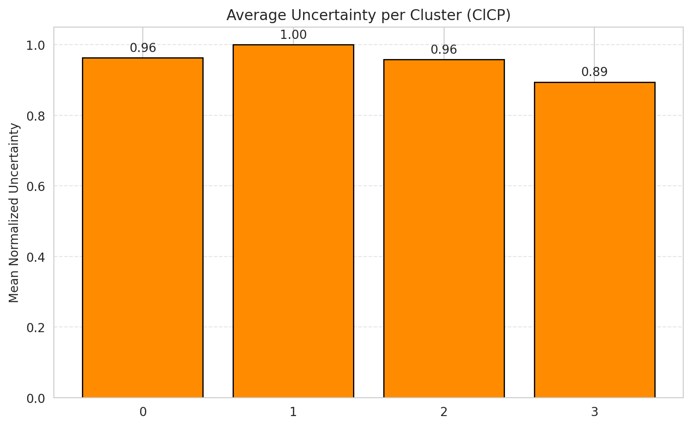
2 | 0.96918767507
3 | 0.94871794872
4 | 1
5 | 0.89215686275
6 | 0.89705882353

 |  |  |  |  |  |  |  |  | Avg Uncertainty per Class

RAPS_AlexNet
RAPS - AlexNet |  |  |  |  |  |  |  |  | Per-Class Coverage
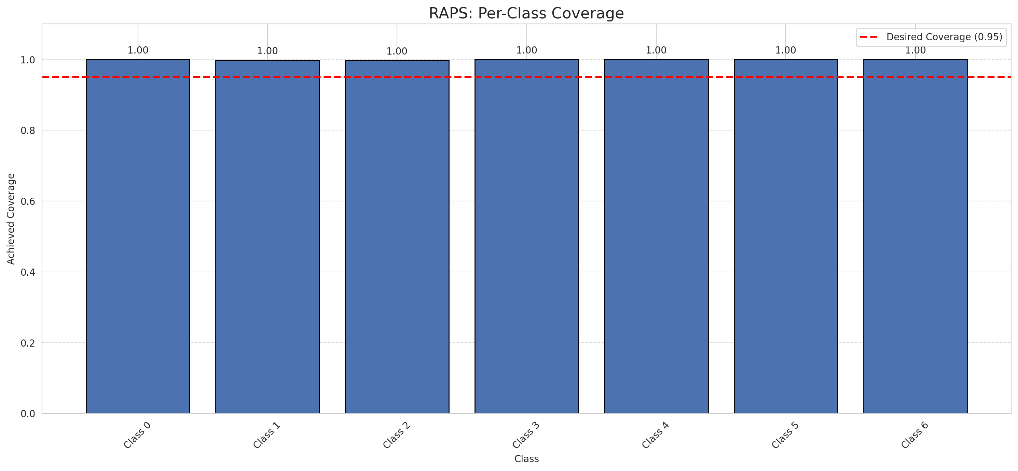
Summary
model_name | method | target_coverage | empirical_coverage | avg_set_size | median_set_size | singleton_rate | empty_set_rate | runtime_sec | alpha | lam | n_clusters | mean_per_class_coverage
AlexNet | RAPS | 0.95 | 0.99907192575 | 1 | 1 | 1 | 0 | 0.396822005 | 0.05 | 0.01 |  | 0.99928629439

Per-Class Coverage Values
class_id | class_coverage | support_count
0 | 1 | 914
1 | 0.99779735683 | 454
2 | 0.99720670391 | 358
3 | 1 | 156
4 | 1 | 104
5 | 1 | 101
6 | 1 | 68

RAPS Parameters
q_hat_raps | lambda | k_reg
0 | 0.01 | 1

Split_GFNet
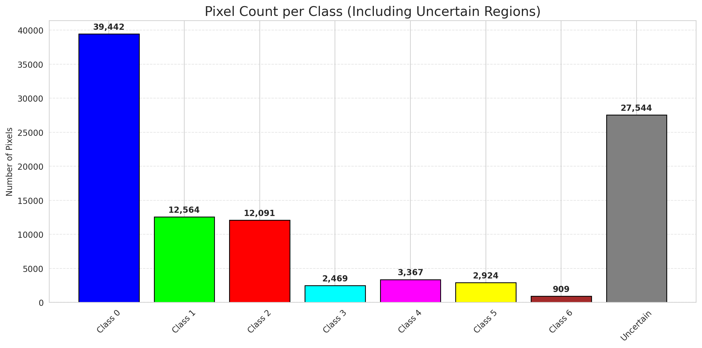
SplitConformal - GFNet |  |  |  |  |  |  |  |  | Per-Class Coverage
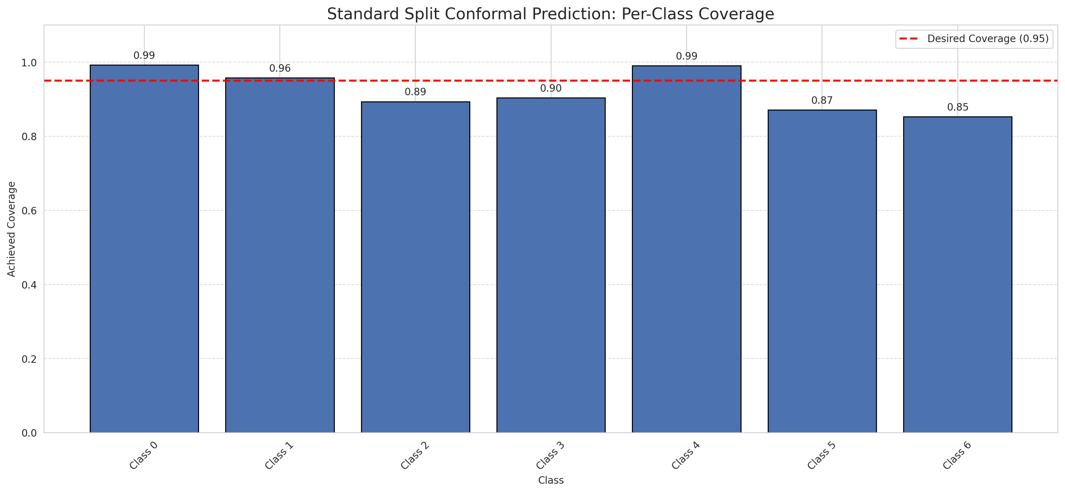
Summary
model_name | method | target_coverage | empirical_coverage | avg_set_size | median_set_size | singleton_rate | empty_set_rate | runtime_sec | alpha | lam | n_clusters | mean_per_class_coverage
GFNet | SplitConformal | 0.95 | 0.95220417633 | 0.95220417633 | 1 | 0.95220417633 | 0.047795823666 | 1.608272338 | 0.05 |  |  | 0.92325785135

Per-Class Coverage Values
class_id | class_coverage | support_count
0 | 0.99234135667 | 914
1 | 0.95814977974 | 454
2 | 0.8938547486 | 358
3 | 0.90384615385 | 156
4 | 0.99038461538 | 104
5 | 0.87128712871 | 101
6 | 0.85294117647 | 68

Pixel Counts
class_id | label | pixel_count
0 | Class 0 | 39442
1 | Class 1 | 12564
2 | Class 2 | 12091
3 | Class 3 | 2469
4 | Class 4 | 3367 |  |  |  |  |  |  | Certain vs Uncertain Map
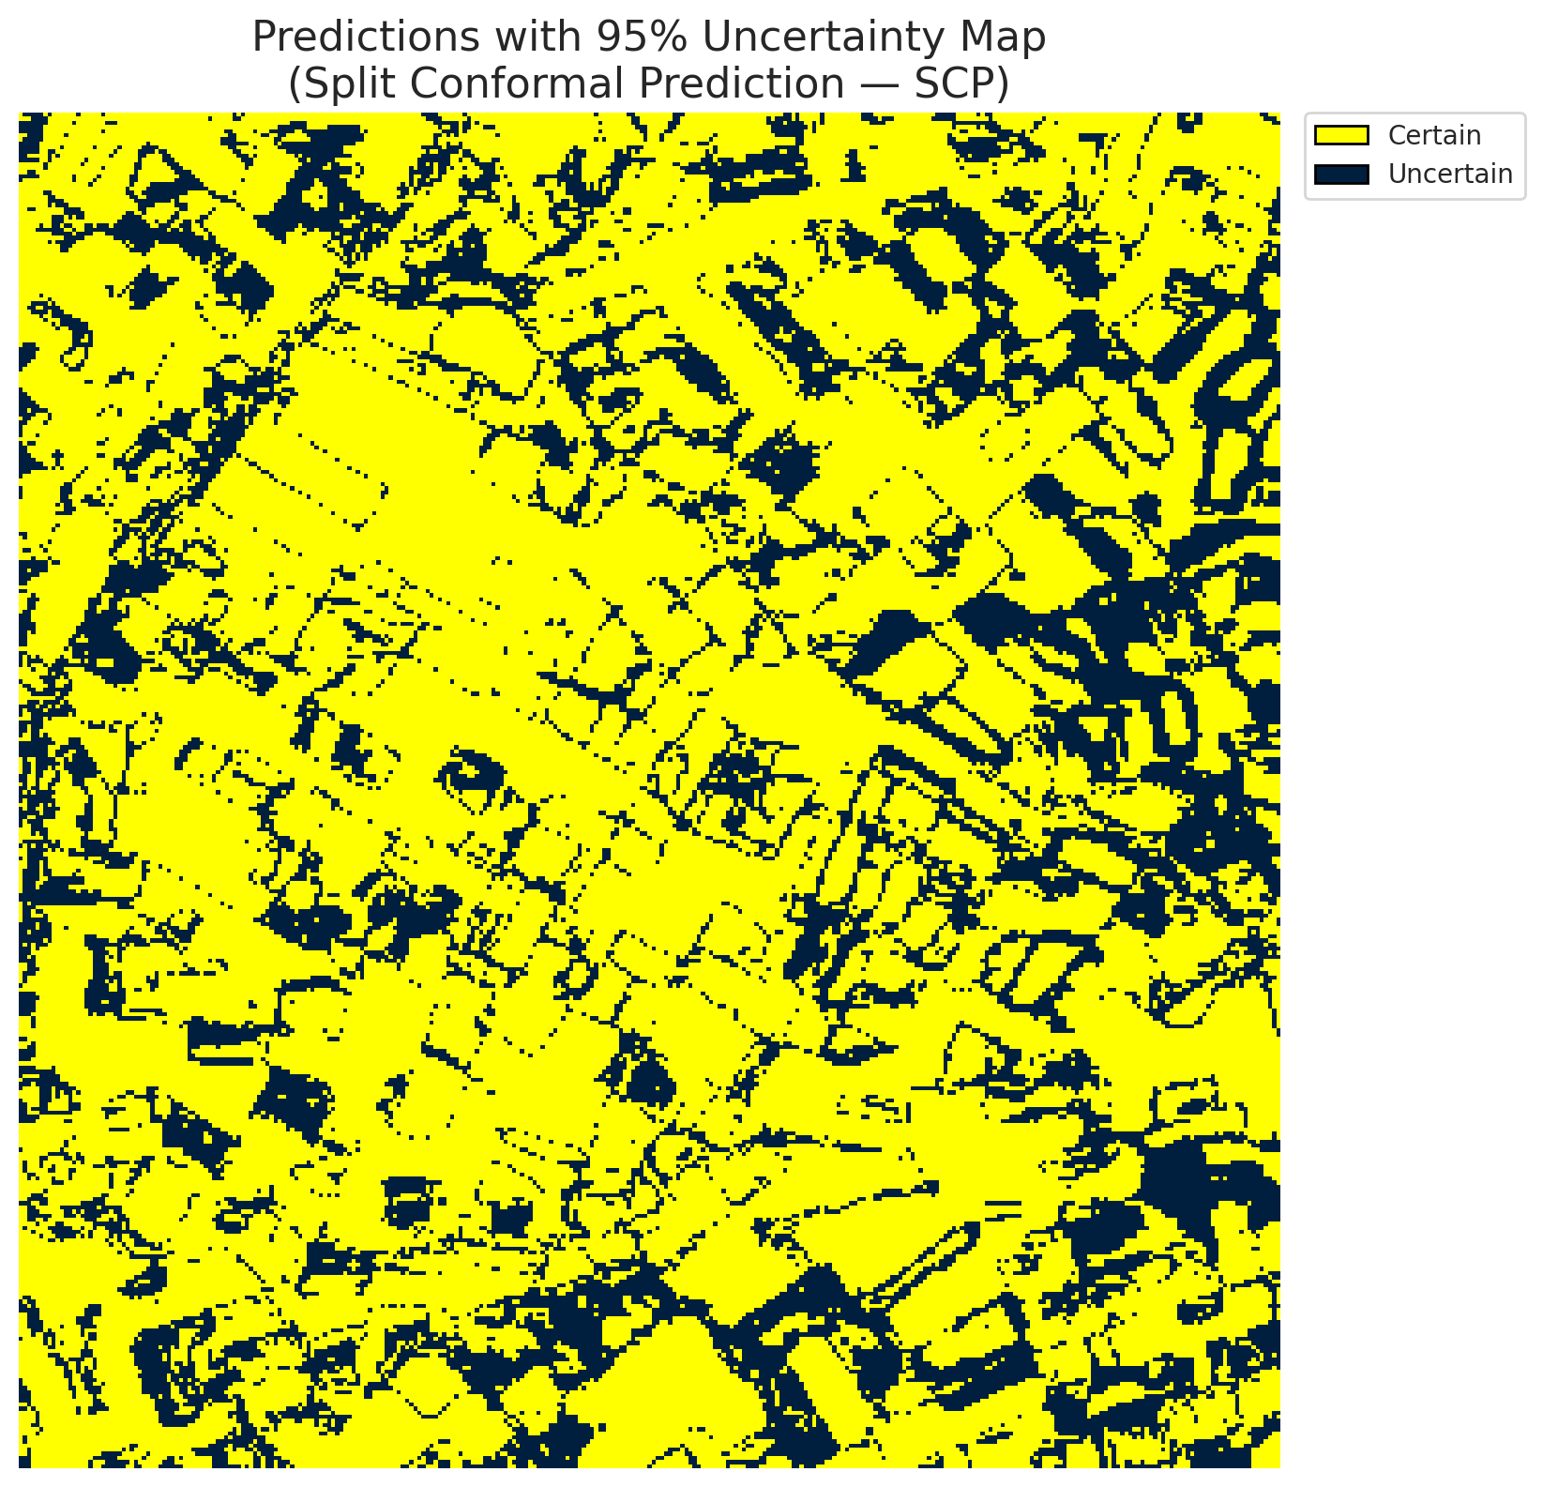
5 | Class 5 | 2924
6 | Class 6 | 909
7 | Uncertain | 27544

Threshold
q_hat_split
0.012219879712

 |  |  |  |  |  |  |  |  | Class Map with Uncertain Mask
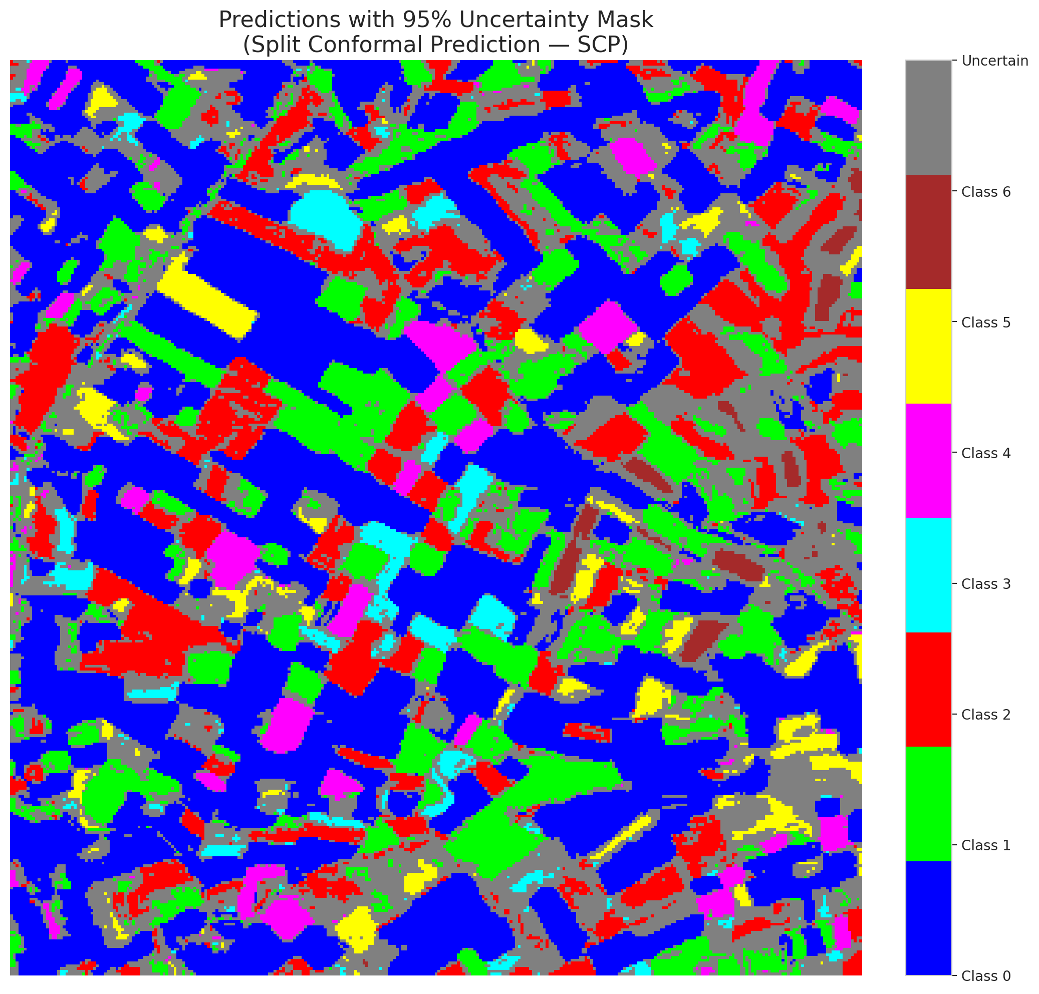

 |  |  |  |  |  |  |  |  | Pixel Counts

ClassCond_GFNet
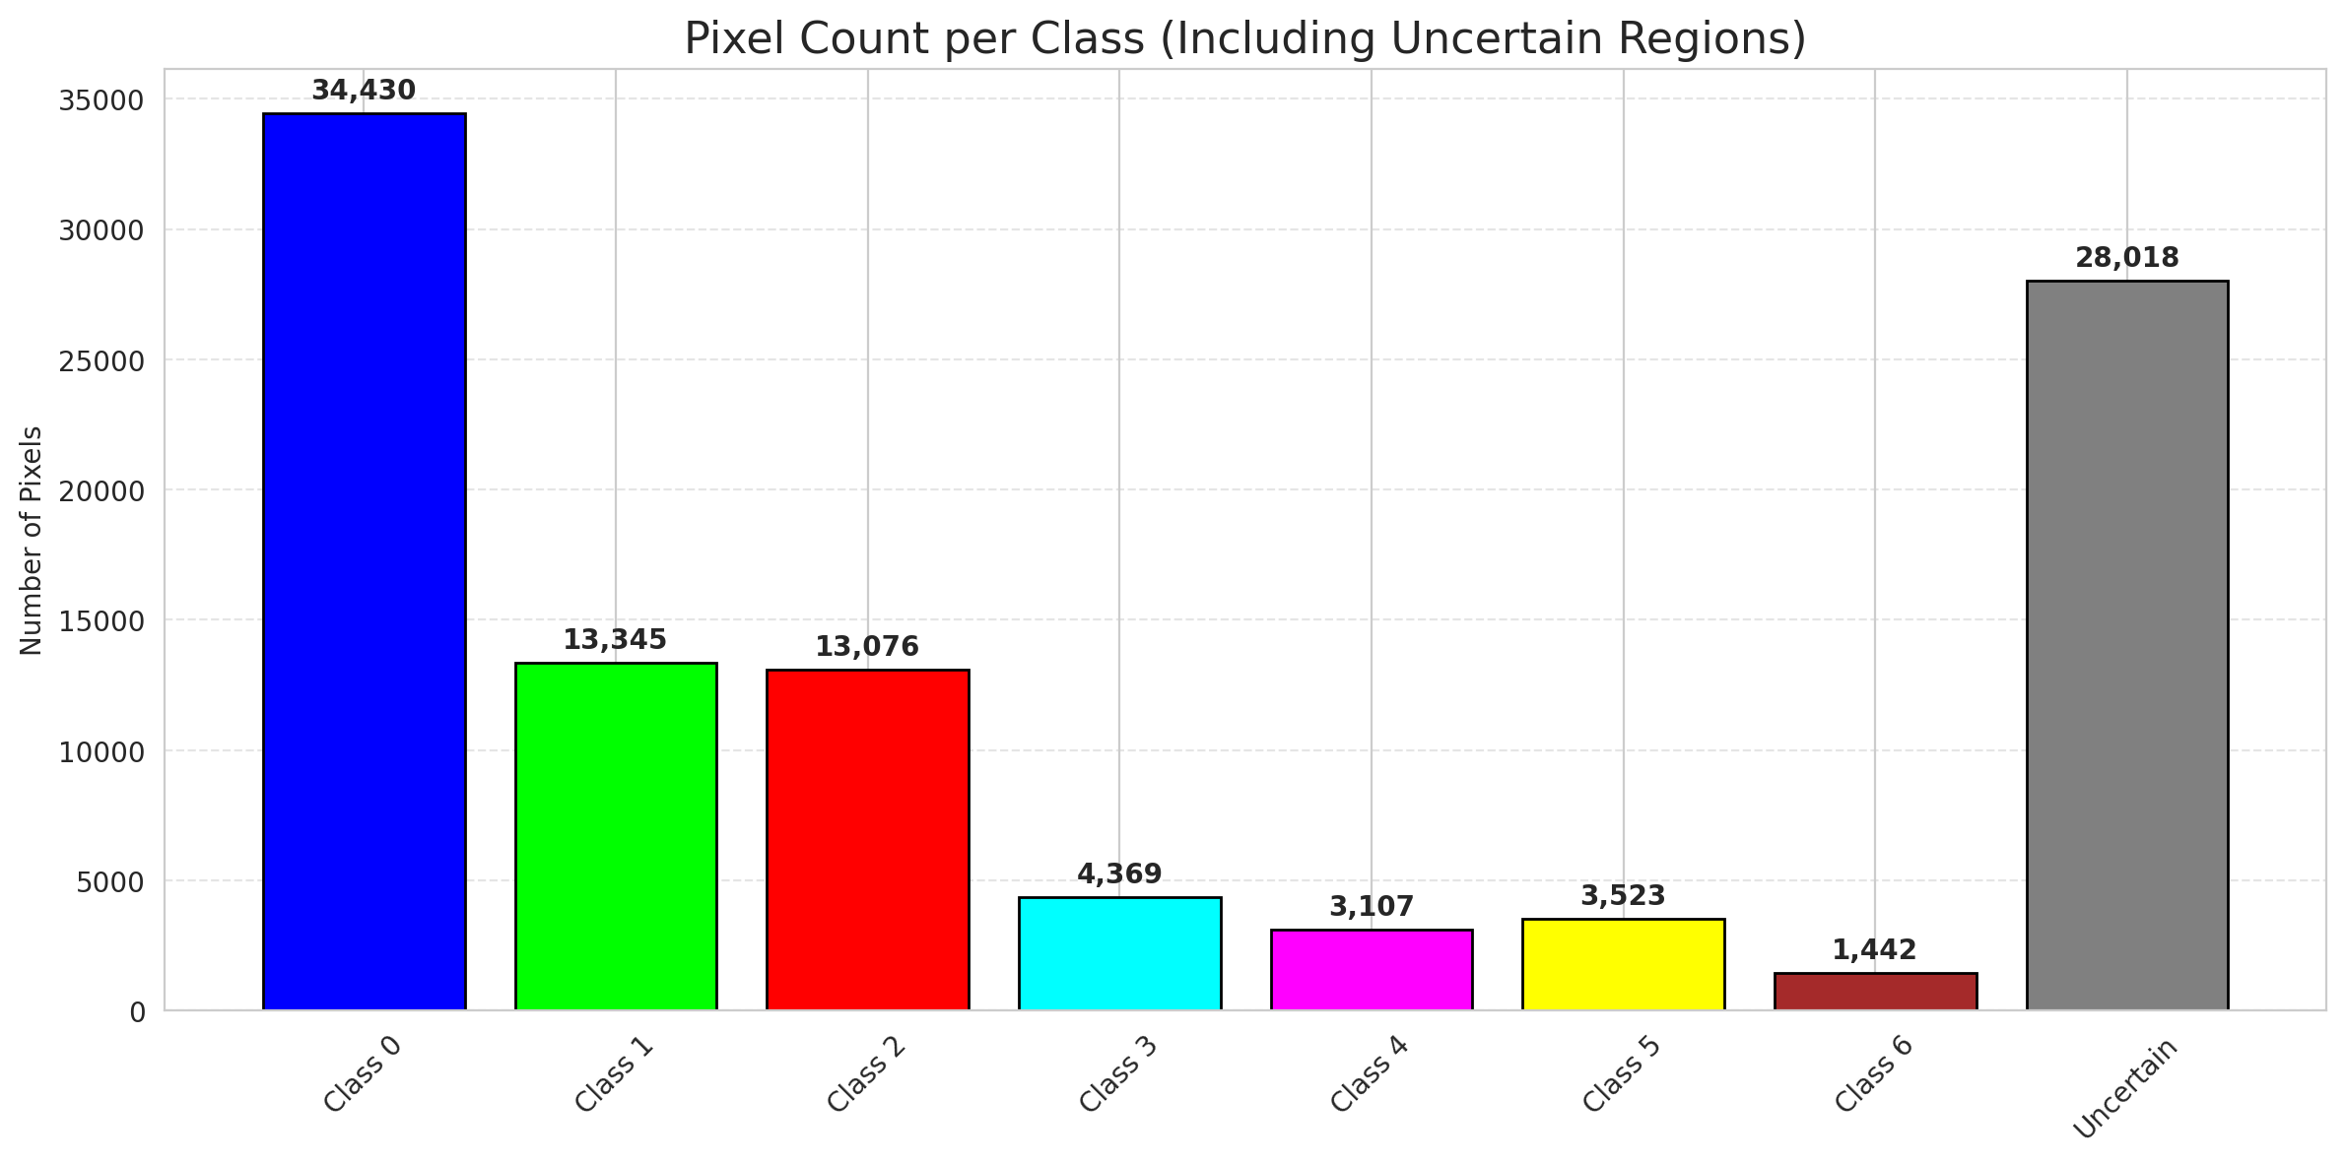
ClassConditionalConformal - GFNet |  |  |  |  |  |  |  |  | Per-Class Coverage
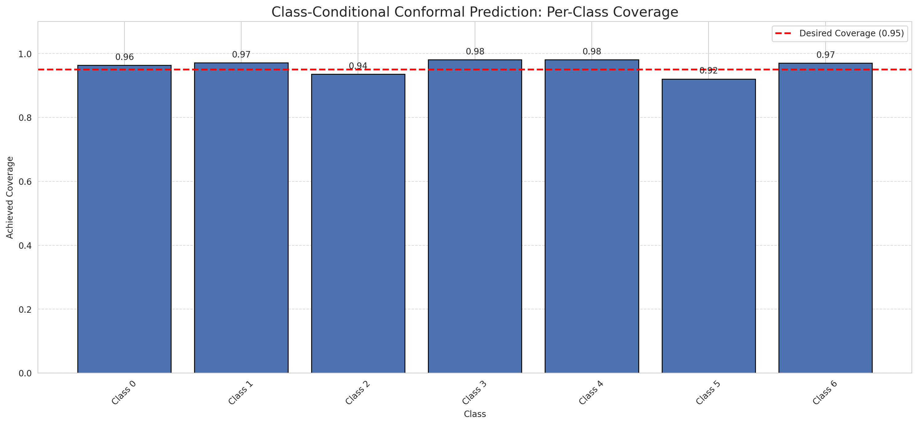
Summary
model_name | method | target_coverage | empirical_coverage | avg_set_size | median_set_size | singleton_rate | empty_set_rate | runtime_sec | alpha | lam | n_clusters | mean_per_class_coverage
GFNet | ClassConditionalConformal | 0.95 | 0.96102088167 | 0.96148491879 | 1 | 0.96148491879 | 0.038515081206 | 1.587323905 | 0.05 |  |  | 0.96056193885

Per-Class Coverage Values
class_id | class_coverage | support_count
0 | 0.96389496718 | 914
1 | 0.97136563877 | 454
2 | 0.93575418994 | 358
3 | 0.98076923077 | 156
4 | 0.98076923077 | 104
5 | 0.92079207921 | 101
6 | 0.97058823529 | 68

Pixel Counts
class_id | label | pixel_count
0 | Class 0 | 34430
1 | Class 1 | 13345
2 | Class 2 | 13076
3 | Class 3 | 4369
4 | Class 4 | 3107 |  |  |  |  |  |  | Certain vs Uncertain Map
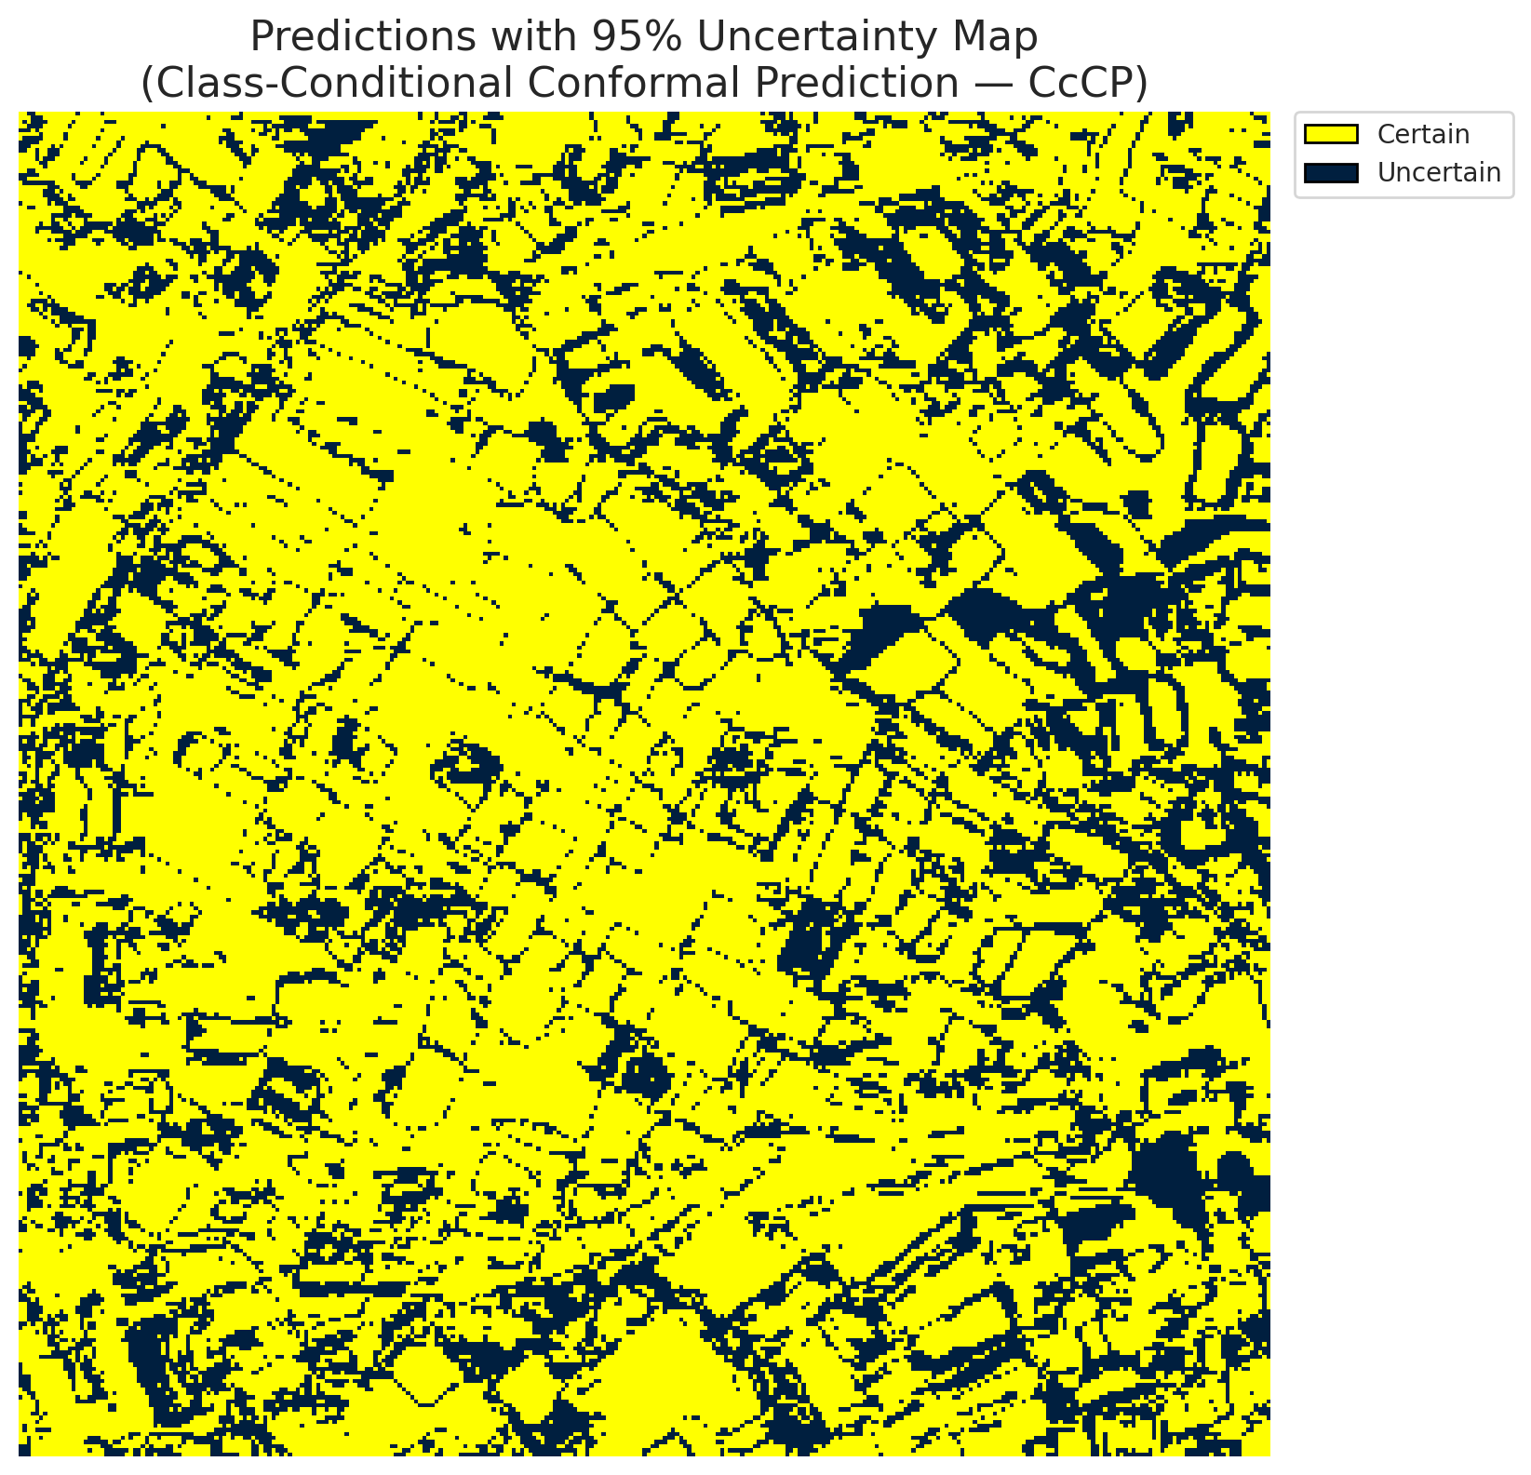
5 | Class 5 | 3523
6 | Class 6 | 1442
7 | Uncertain | 28018

Classwise q_hat
class_id | q_hat_classconditional
0 | 0.0095313600581
1 | 0.013096952447
2 | 0.014090705126
3 | 0.078943537398
4 | 0.01084434832
5 | 0.015238811771
6 | 0.060072953874

 |  |  |  |  |  |  |  |  | Class Map with Uncertain Mask
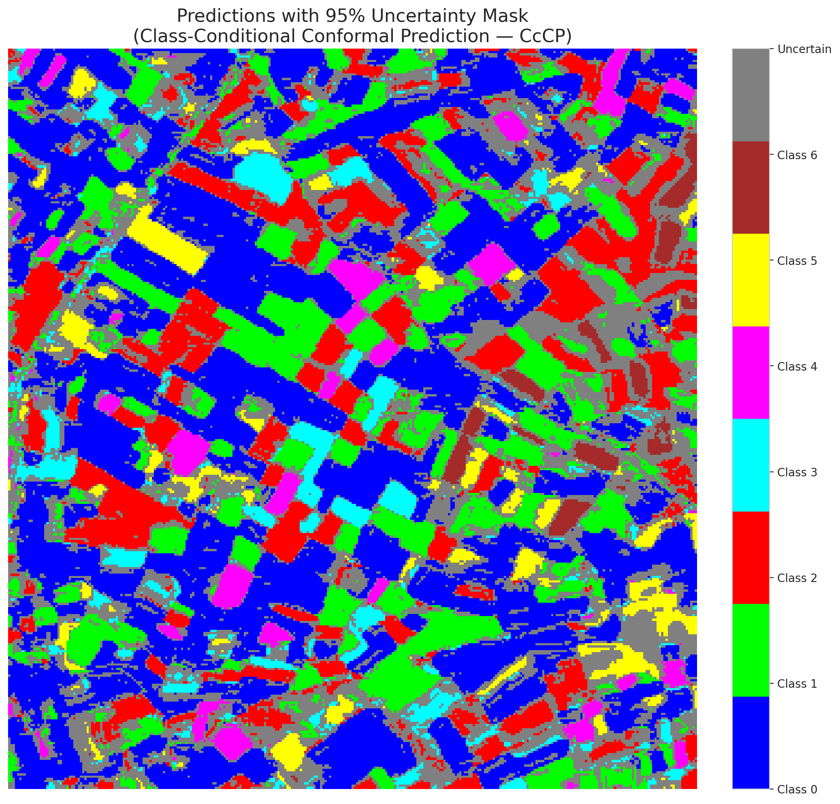

 |  |  |  |  |  |  |  |  | Pixel Counts

RC3P_GFNet
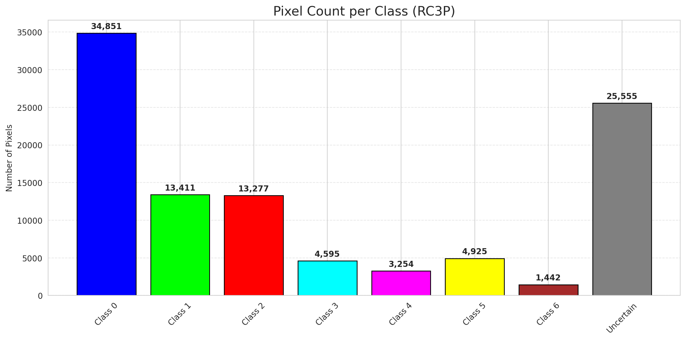
RC3P - GFNet |  |  |  |  |  |  |  |  | Per-Class Coverage
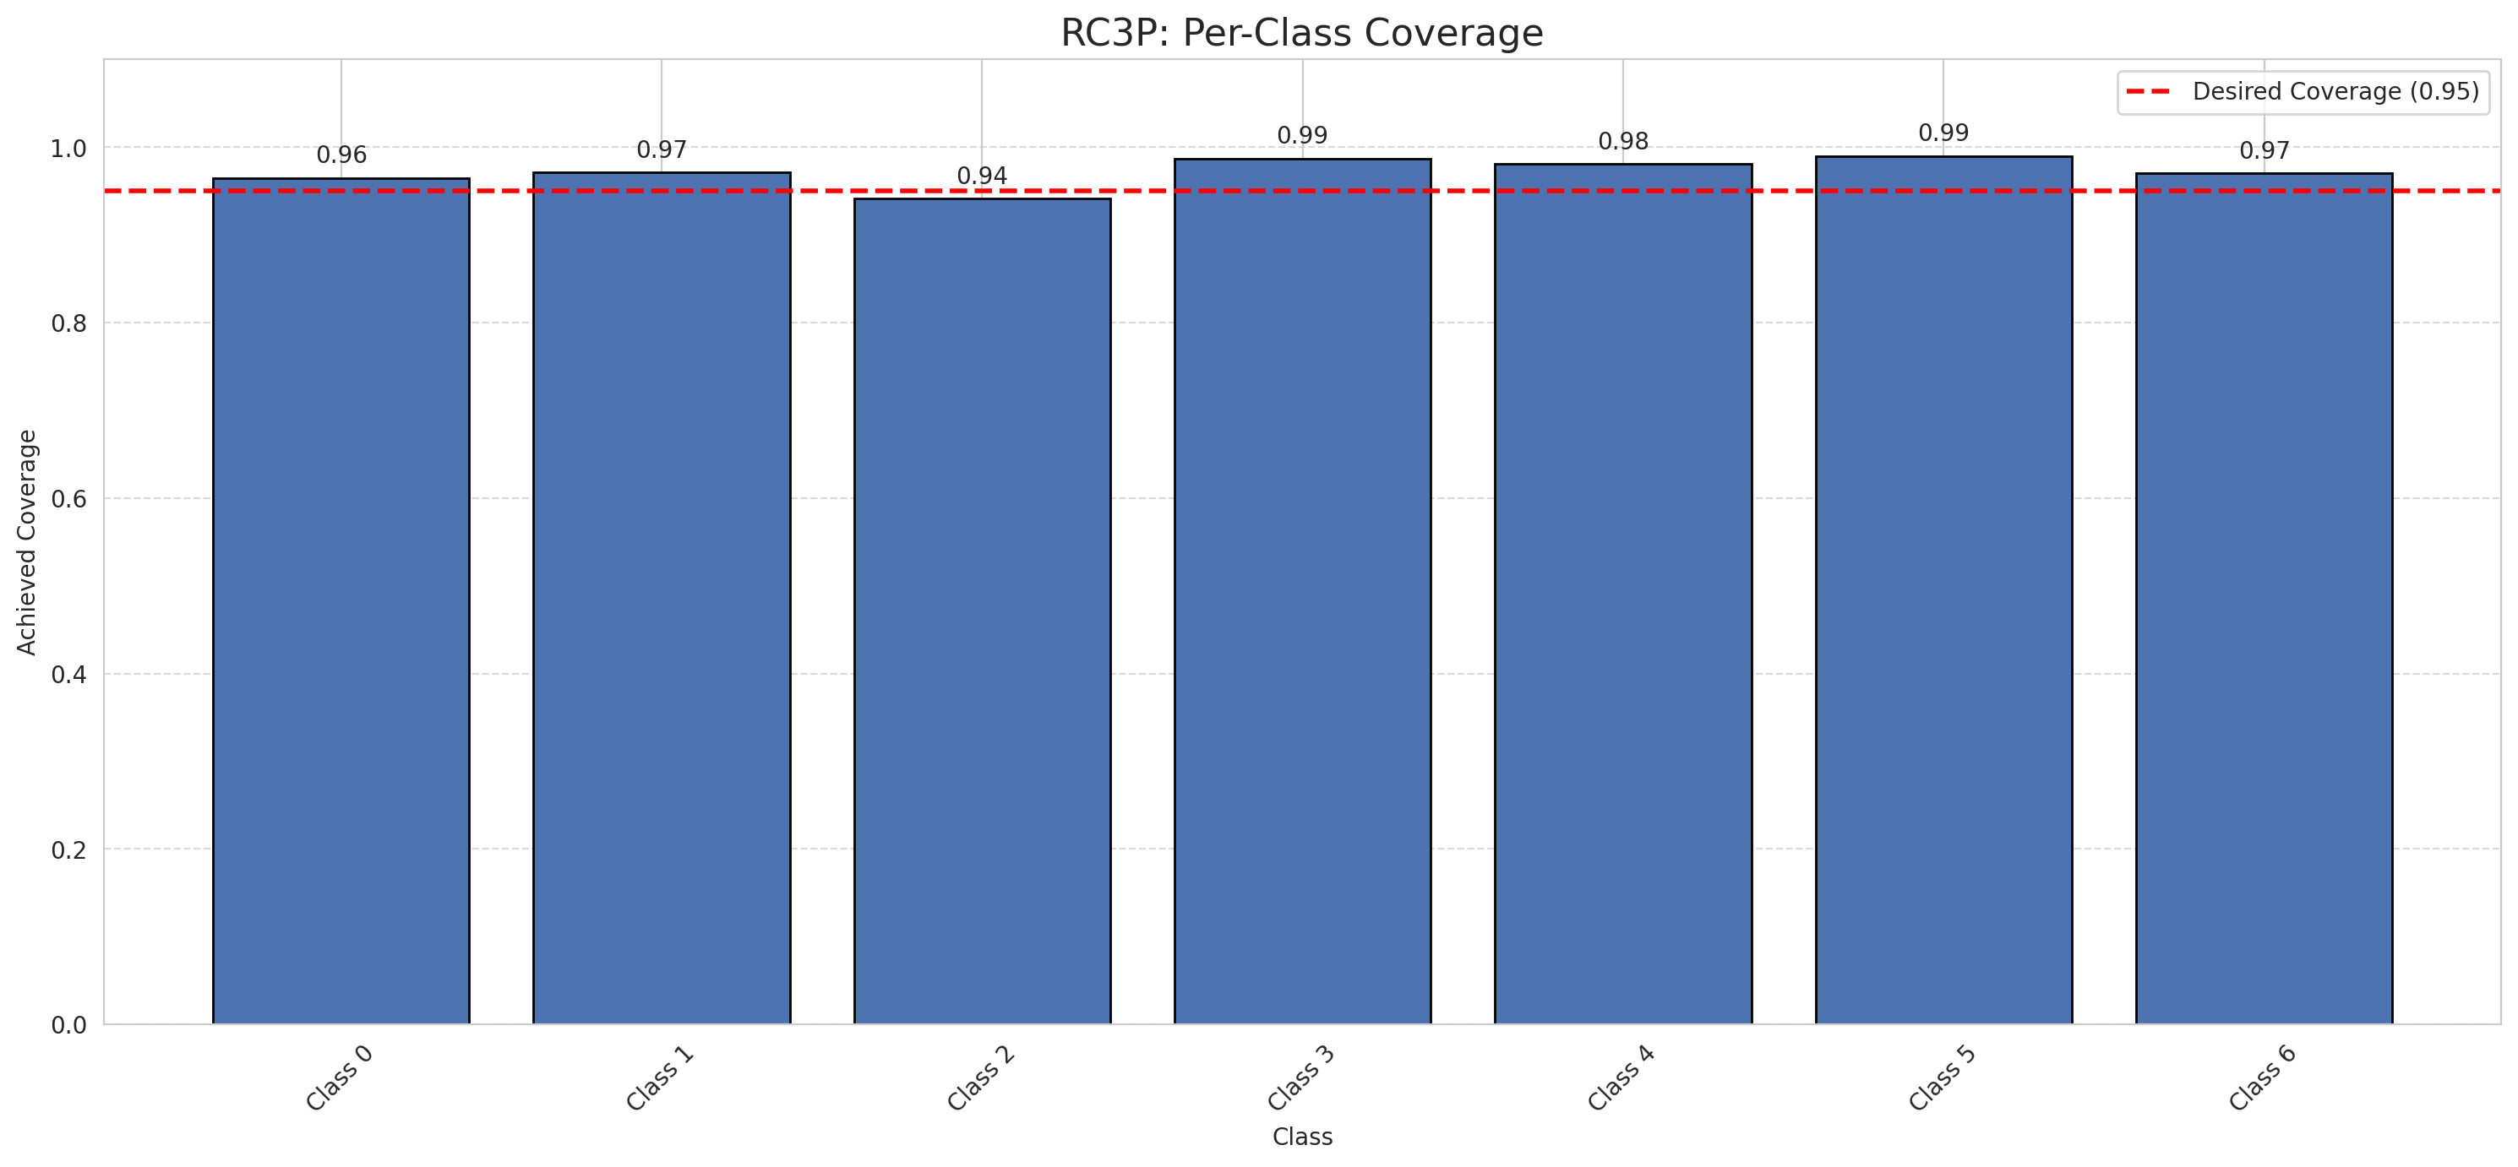
Summary
model_name | method | target_coverage | empirical_coverage | avg_set_size | median_set_size | singleton_rate | empty_set_rate | runtime_sec | alpha | lam | n_clusters | mean_per_class_coverage
GFNet | RC3P | 0.95 | 0.96612529002 | 0.96705336427 | 1 | 0.96705336427 | 0.032946635731 | 1.596849406 | 0.05 |  |  | 0.9723330633

Per-Class Coverage Values
class_id | class_coverage | support_count
0 | 0.96498905908 | 914
1 | 0.97136563877 | 454
2 | 0.94134078212 | 358
3 | 0.98717948718 | 156
4 | 0.98076923077 | 104
5 | 0.9900990099 | 101
6 | 0.97058823529 | 68

Pixel Counts
class_id | label | pixel_count
0 | Class 0 | 34851
1 | Class 1 | 13411
2 | Class 2 | 13277
3 | Class 3 | 4595
4 | Class 4 | 3254 |  |  |  |  |  |  | Certain vs Uncertain Map
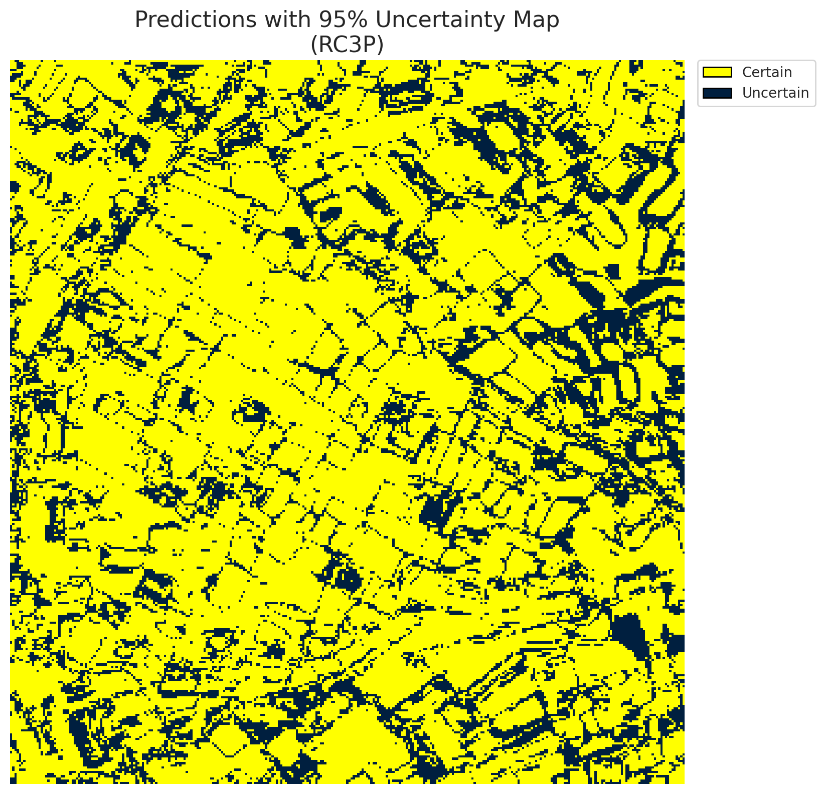
5 | Class 5 | 4925
6 | Class 6 | 1442
7 | Uncertain | 25555

RC3P Thresholds & Limits
class_id | q_hat_rc3p | suit_index_limit
0 | 0.009562166329 | 1
1 | 0.013174390701 | 1
2 | 0.014625430887 | 1
3 | 0.1077607164 | 1
4 | 0.01146160186 | 1
5 | 0.036142484128 | 1
6 | 0.060072953874 | 1

 |  |  |  |  |  |  |  |  | Class Map with Uncertain Mask


 |  |  |  |  |  |  |  |  | Pixel Counts

Clustered_GFNet
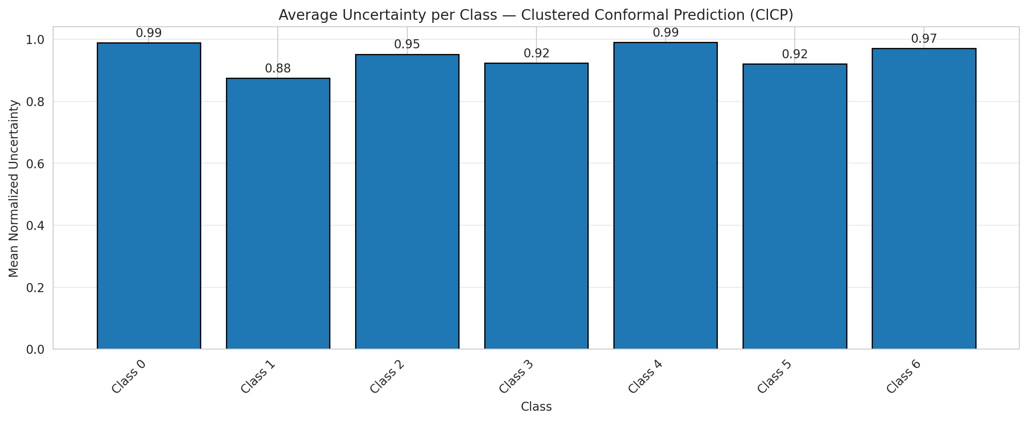
ClusteredConformal - GFNet |  |  |  |  |  |  |  |  | Per-Class Coverage
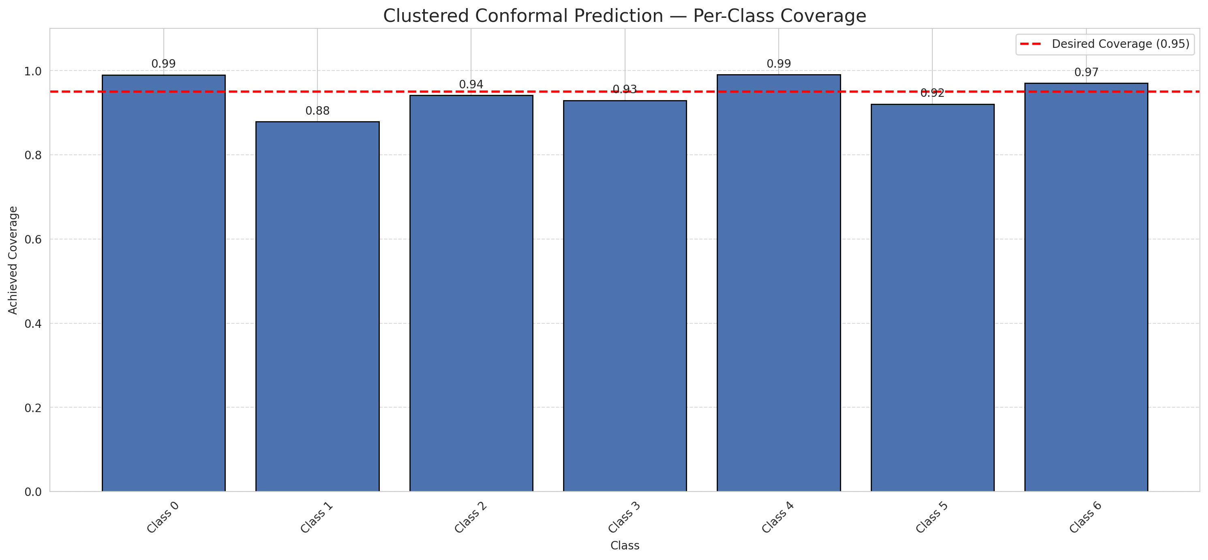
Summary
model_name | method | target_coverage | empirical_coverage | avg_set_size | median_set_size | singleton_rate | empty_set_rate | runtime_sec | alpha | lam | n_clusters | mean_per_class_coverage
GFNet | ClusteredConformal | 0.95 | 0.95034802784 | 0.95034802784 | 1 | 0.95034802784 | 0.049651972158 | 6.272273327 | 0.05 |  | 4 | 0.9459429557

Per-Class Coverage Values
class_id | class_coverage | support_count
0 | 0.99015317287 | 914
1 | 0.87885462555 | 454
2 | 0.94134078212 | 358
3 | 0.92948717949 | 156
4 | 0.99038461538 | 104
5 | 0.92079207921 | 101
6 | 0.97058823529 | 68

Class-to-Cluster Assignment
class_id | cluster_id
0 | 2
1 | 2
2 | 1
3 | 1
4 | 1 |  |  |  |  |  |  |  | Uncertainty Distribution
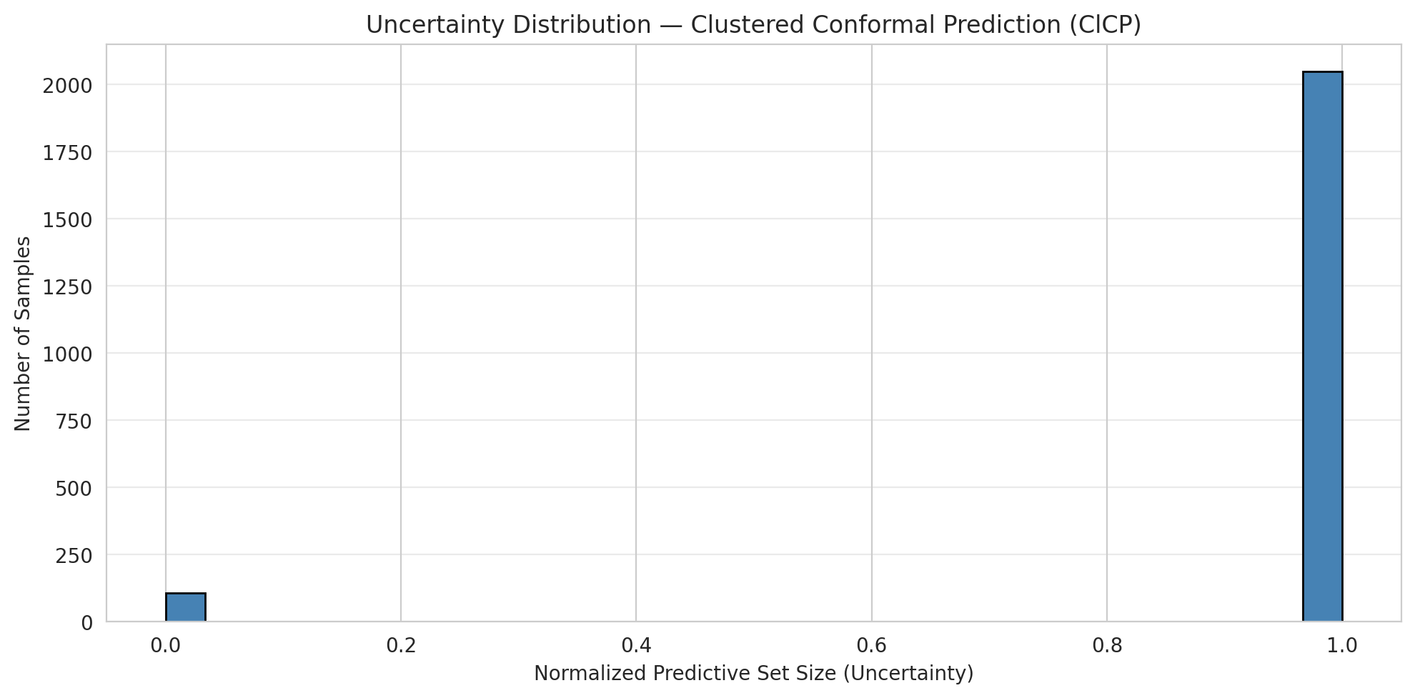
5 | 3
6 | 0

Cluster q_hat
cluster_id | q_hat_cluster
0 | 0.060072953874
1 | 0.014827164864
2 | 0.010811793587
3 | 0.015238811771

Cluster Mean Uncertainty
cluster | uncertainty
0 | 0.97058823529
1 | 0.9512195122
2 | 0.95113056163
3 | 0.92079207921

Class Mean Uncertainty
class_id | uncertainty
0 | 0.98907103825
1 | 0.875 |  |  |  |  |  |  |  | Avg Uncertainty per Cluster
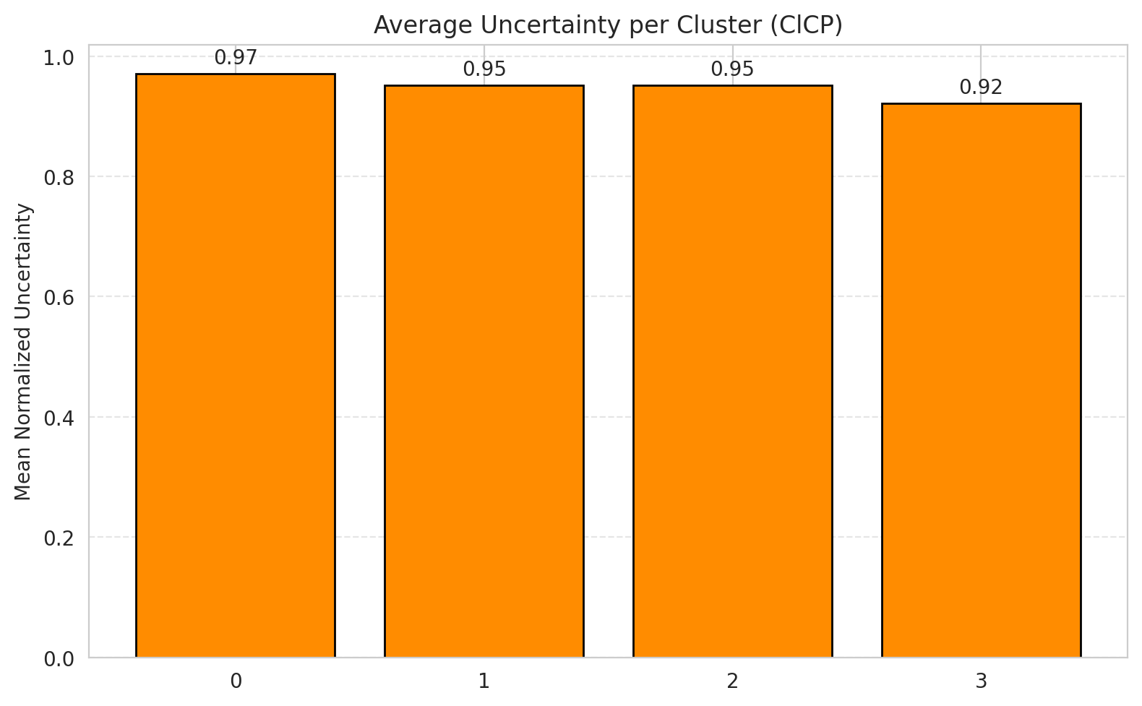
2 | 0.95197740113
3 | 0.92356687898
4 | 0.99038461538
5 | 0.92079207921
6 | 0.97058823529

 |  |  |  |  |  |  |  |  | Avg Uncertainty per Class

RAPS_GFNet
RAPS - GFNet |  |  |  |  |  |  |  |  | Per-Class Coverage
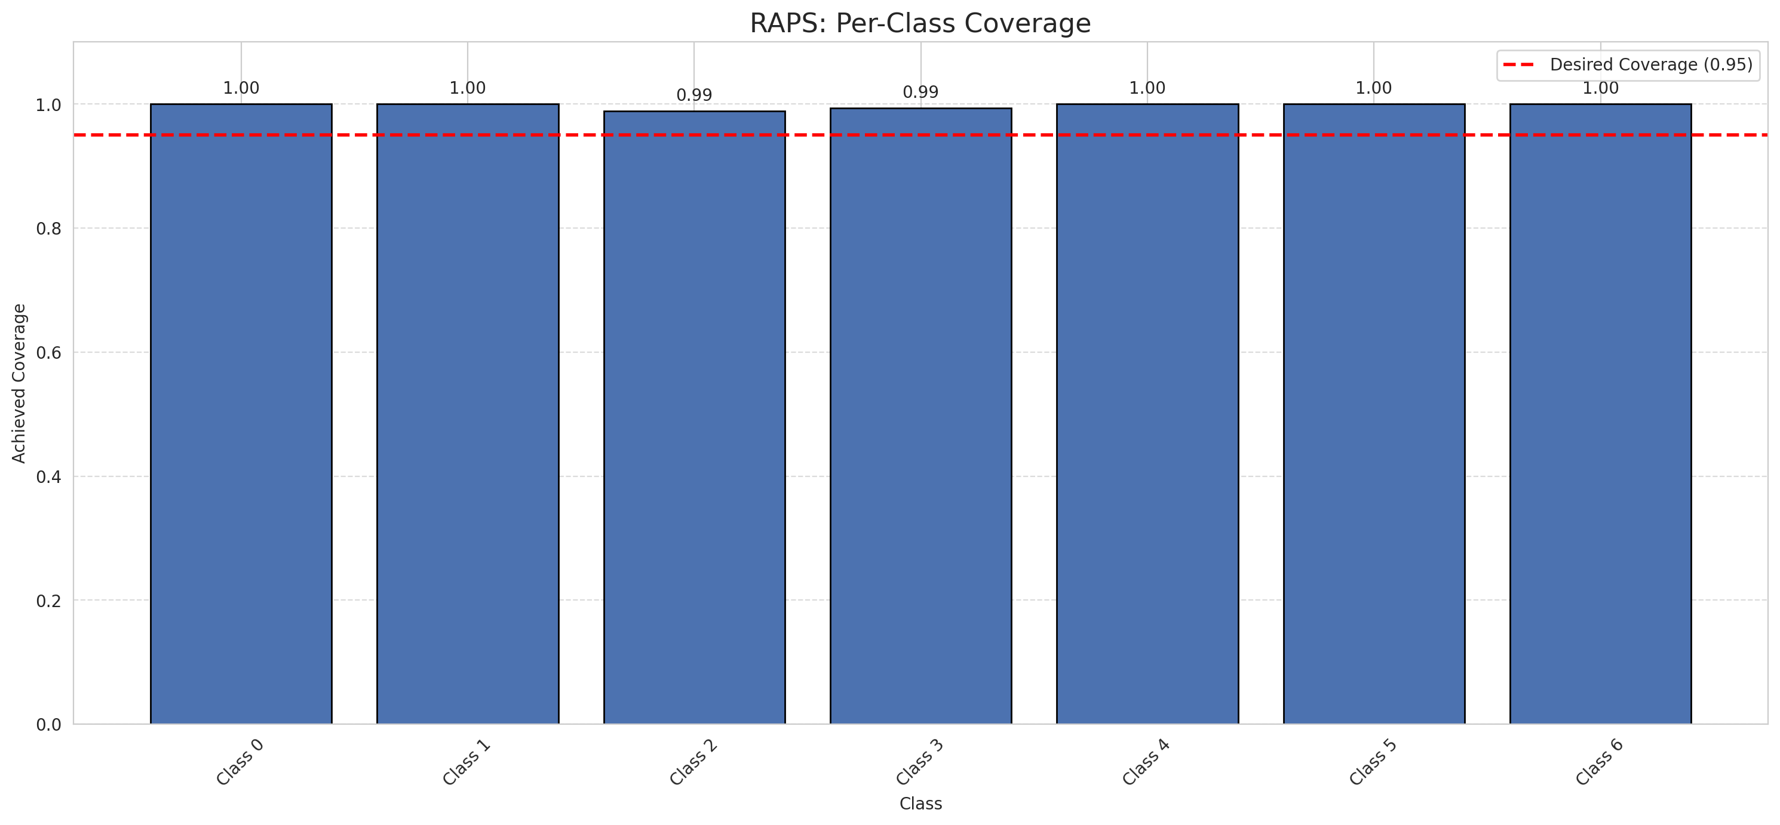
Summary
model_name | method | target_coverage | empirical_coverage | avg_set_size | median_set_size | singleton_rate | empty_set_rate | runtime_sec | alpha | lam | n_clusters | mean_per_class_coverage
GFNet | RAPS | 0.95 | 0.99767981439 | 1 | 1 | 1 | 0 | 0.412714266 | 0.05 | 0.01 |  | 0.99748807989

Per-Class Coverage Values
class_id | class_coverage | support_count
0 | 1 | 914
1 | 1 | 454
2 | 0.98882681564 | 358
3 | 0.99358974359 | 156
4 | 1 | 104
5 | 1 | 101
6 | 1 | 68

RAPS Parameters
q_hat_raps | lambda | k_reg
0 | 0.01 | 1

Split_ViT
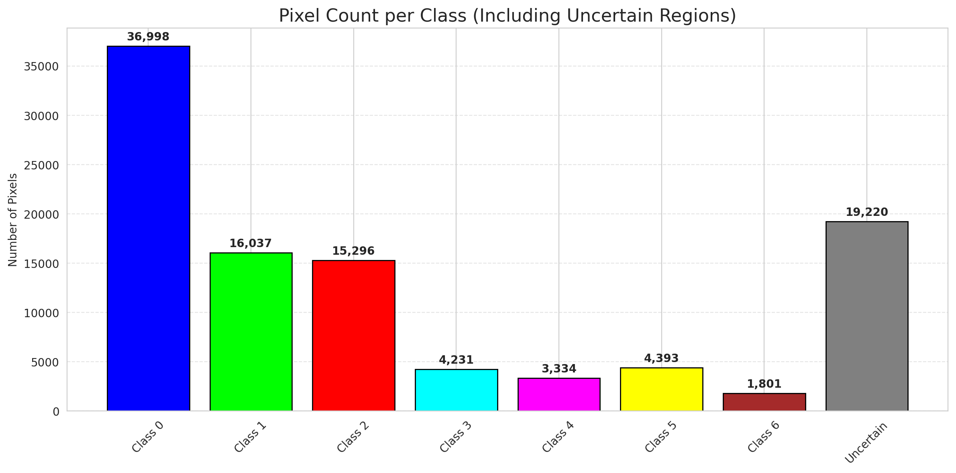
SplitConformal - ViT |  |  |  |  |  |  |  |  | Per-Class Coverage
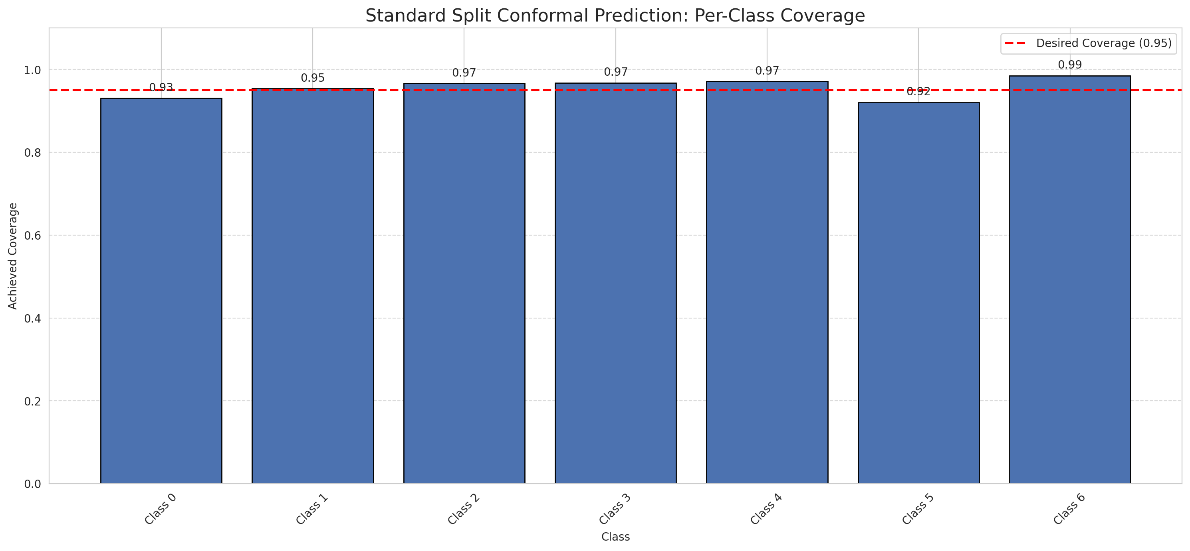
Summary
model_name | method | target_coverage | empirical_coverage | avg_set_size | median_set_size | singleton_rate | empty_set_rate | runtime_sec | alpha | lam | n_clusters | mean_per_class_coverage
ViT | SplitConformal | 0.95 | 0.9475638051 | 0.94988399072 | 1 | 0.94988399072 | 0.050116009281 | 1.618462906 | 0.05 |  |  | 0.95664084448

Per-Class Coverage Values
class_id | class_coverage | support_count
0 | 0.93107221007 | 914
1 | 0.95374449339 | 454
2 | 0.96648044693 | 358
3 | 0.96794871795 | 156
4 | 0.97115384615 | 104
5 | 0.92079207921 | 101
6 | 0.98529411765 | 68

Pixel Counts
class_id | label | pixel_count
0 | Class 0 | 36998
1 | Class 1 | 16037
2 | Class 2 | 15296
3 | Class 3 | 4231
4 | Class 4 | 3334 |  |  |  |  |  |  | Certain vs Uncertain Map
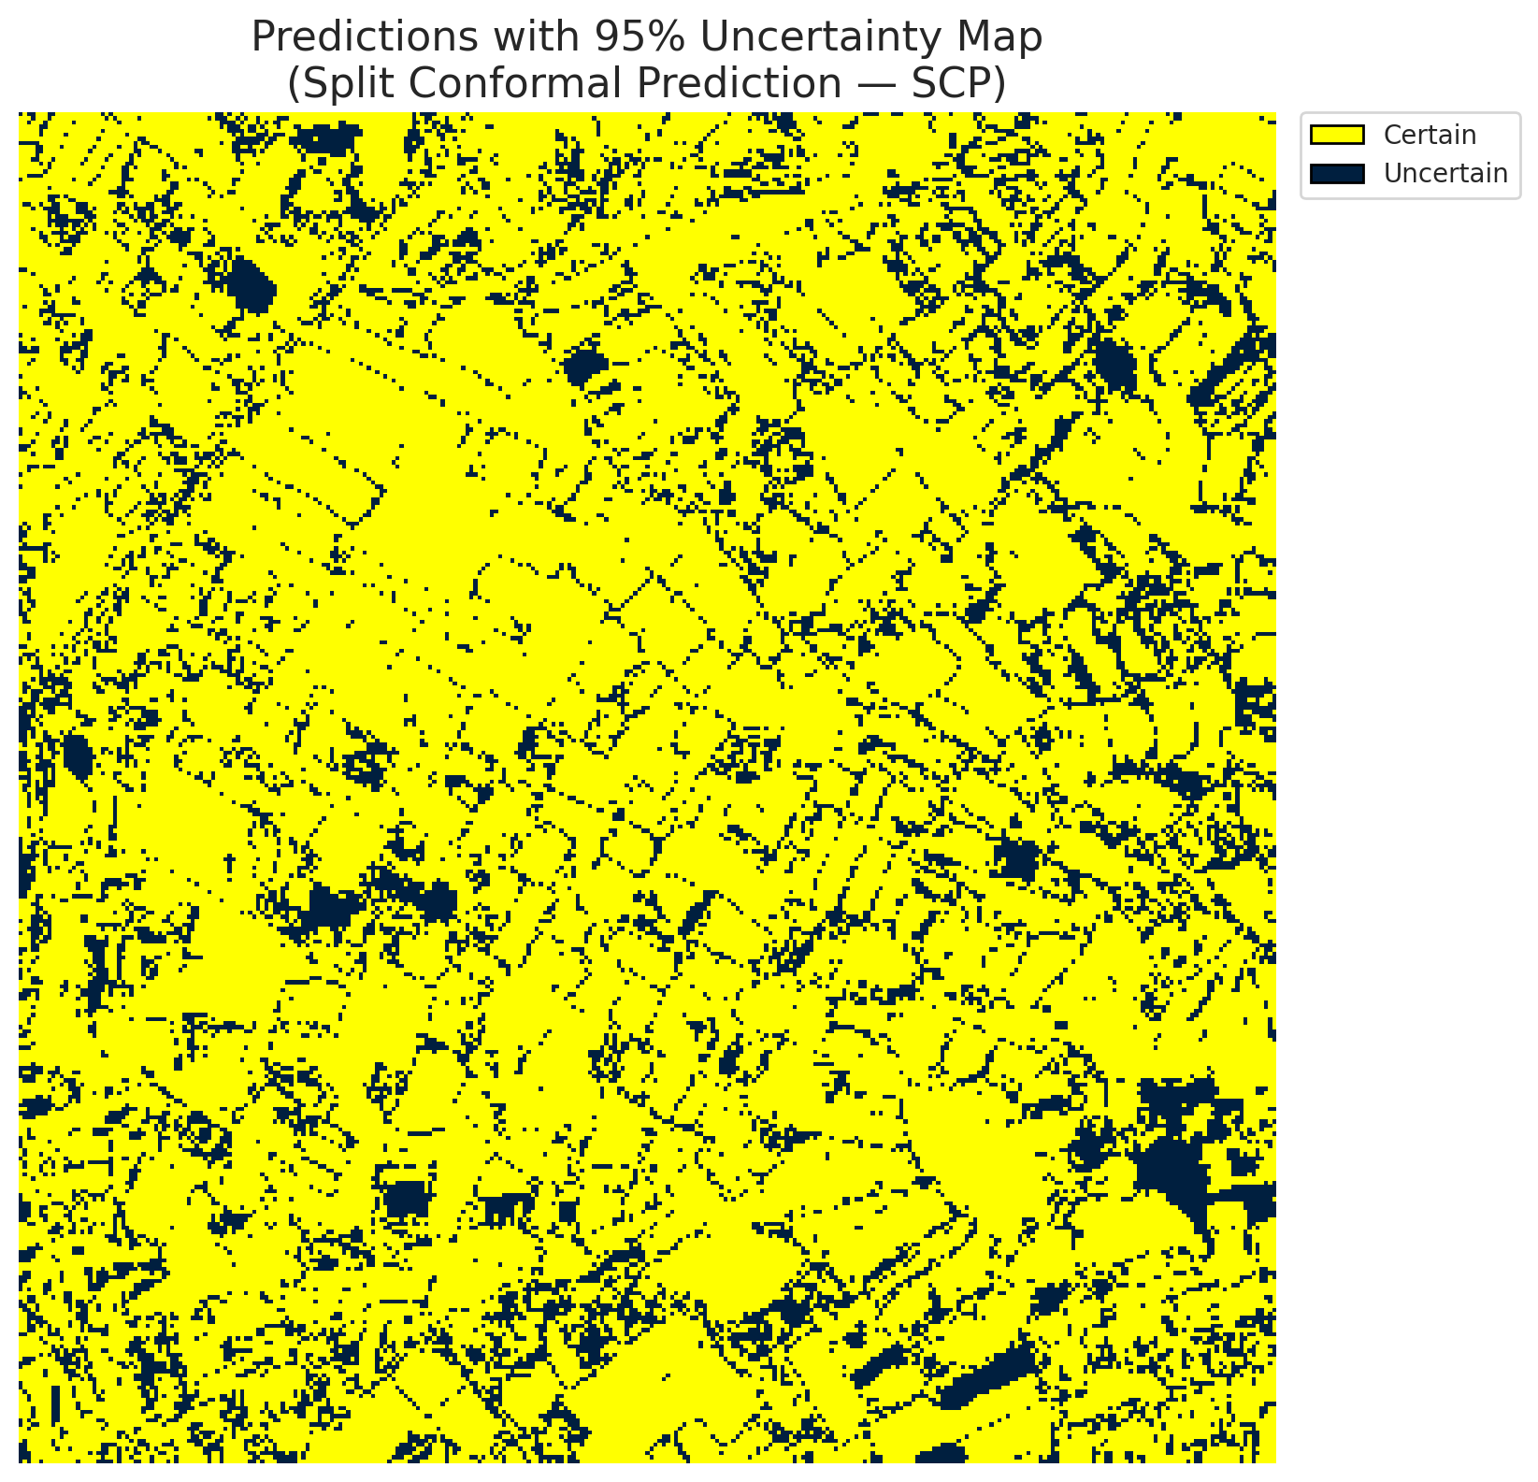
5 | Class 5 | 4393
6 | Class 6 | 1801
7 | Uncertain | 19220

Threshold
q_hat_split
0.04647925457

 |  |  |  |  |  |  |  |  | Class Map with Uncertain Mask
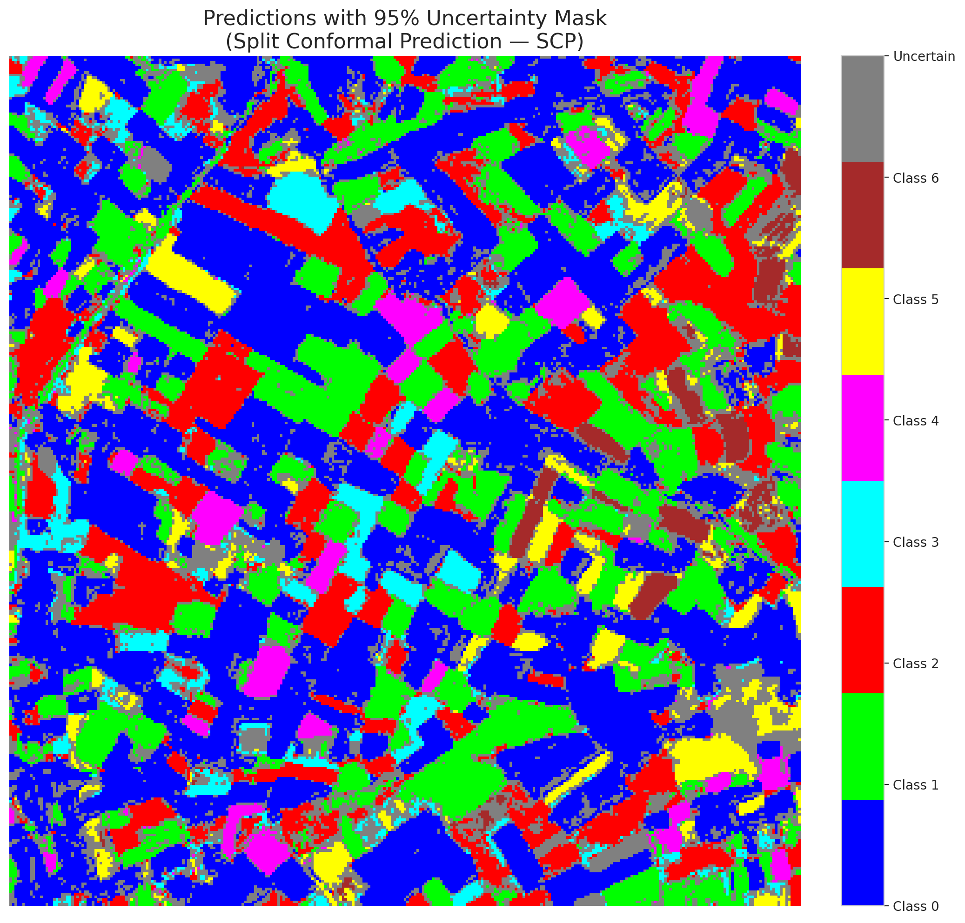

 |  |  |  |  |  |  |  |  | Pixel Counts

ClassCond_ViT
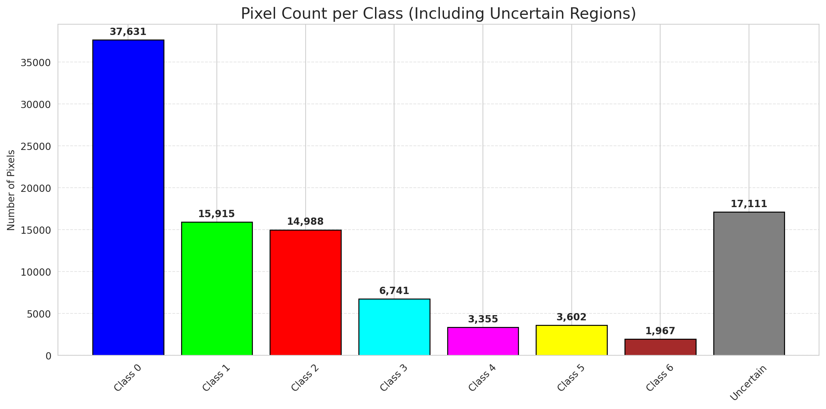
ClassConditionalConformal - ViT |  |  |  |  |  |  |  |  | Per-Class Coverage
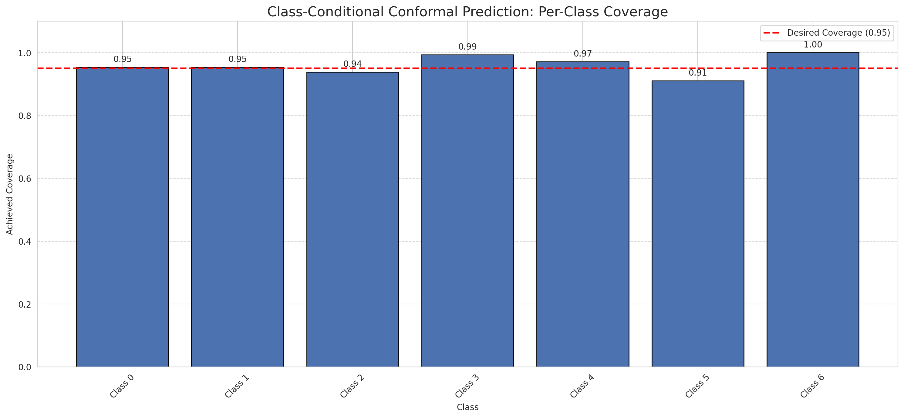
Summary
model_name | method | target_coverage | empirical_coverage | avg_set_size | median_set_size | singleton_rate | empty_set_rate | runtime_sec | alpha | lam | n_clusters | mean_per_class_coverage
ViT | ClassConditionalConformal | 0.95 | 0.95452436195 | 0.95777262181 | 1 | 0.95777262181 | 0.04222737819 | 1.594293684 | 0.05 |  |  | 0.96028211405

Per-Class Coverage Values
class_id | class_coverage | support_count
0 | 0.95404814004 | 914
1 | 0.95374449339 | 454
2 | 0.93854748603 | 358
3 | 0.99358974359 | 156
4 | 0.97115384615 | 104
5 | 0.91089108911 | 101
6 | 1 | 68

Pixel Counts
class_id | label | pixel_count
0 | Class 0 | 37631
1 | Class 1 | 15915
2 | Class 2 | 14988
3 | Class 3 | 6741
4 | Class 4 | 3355 |  |  |  |  |  |  | Certain vs Uncertain Map
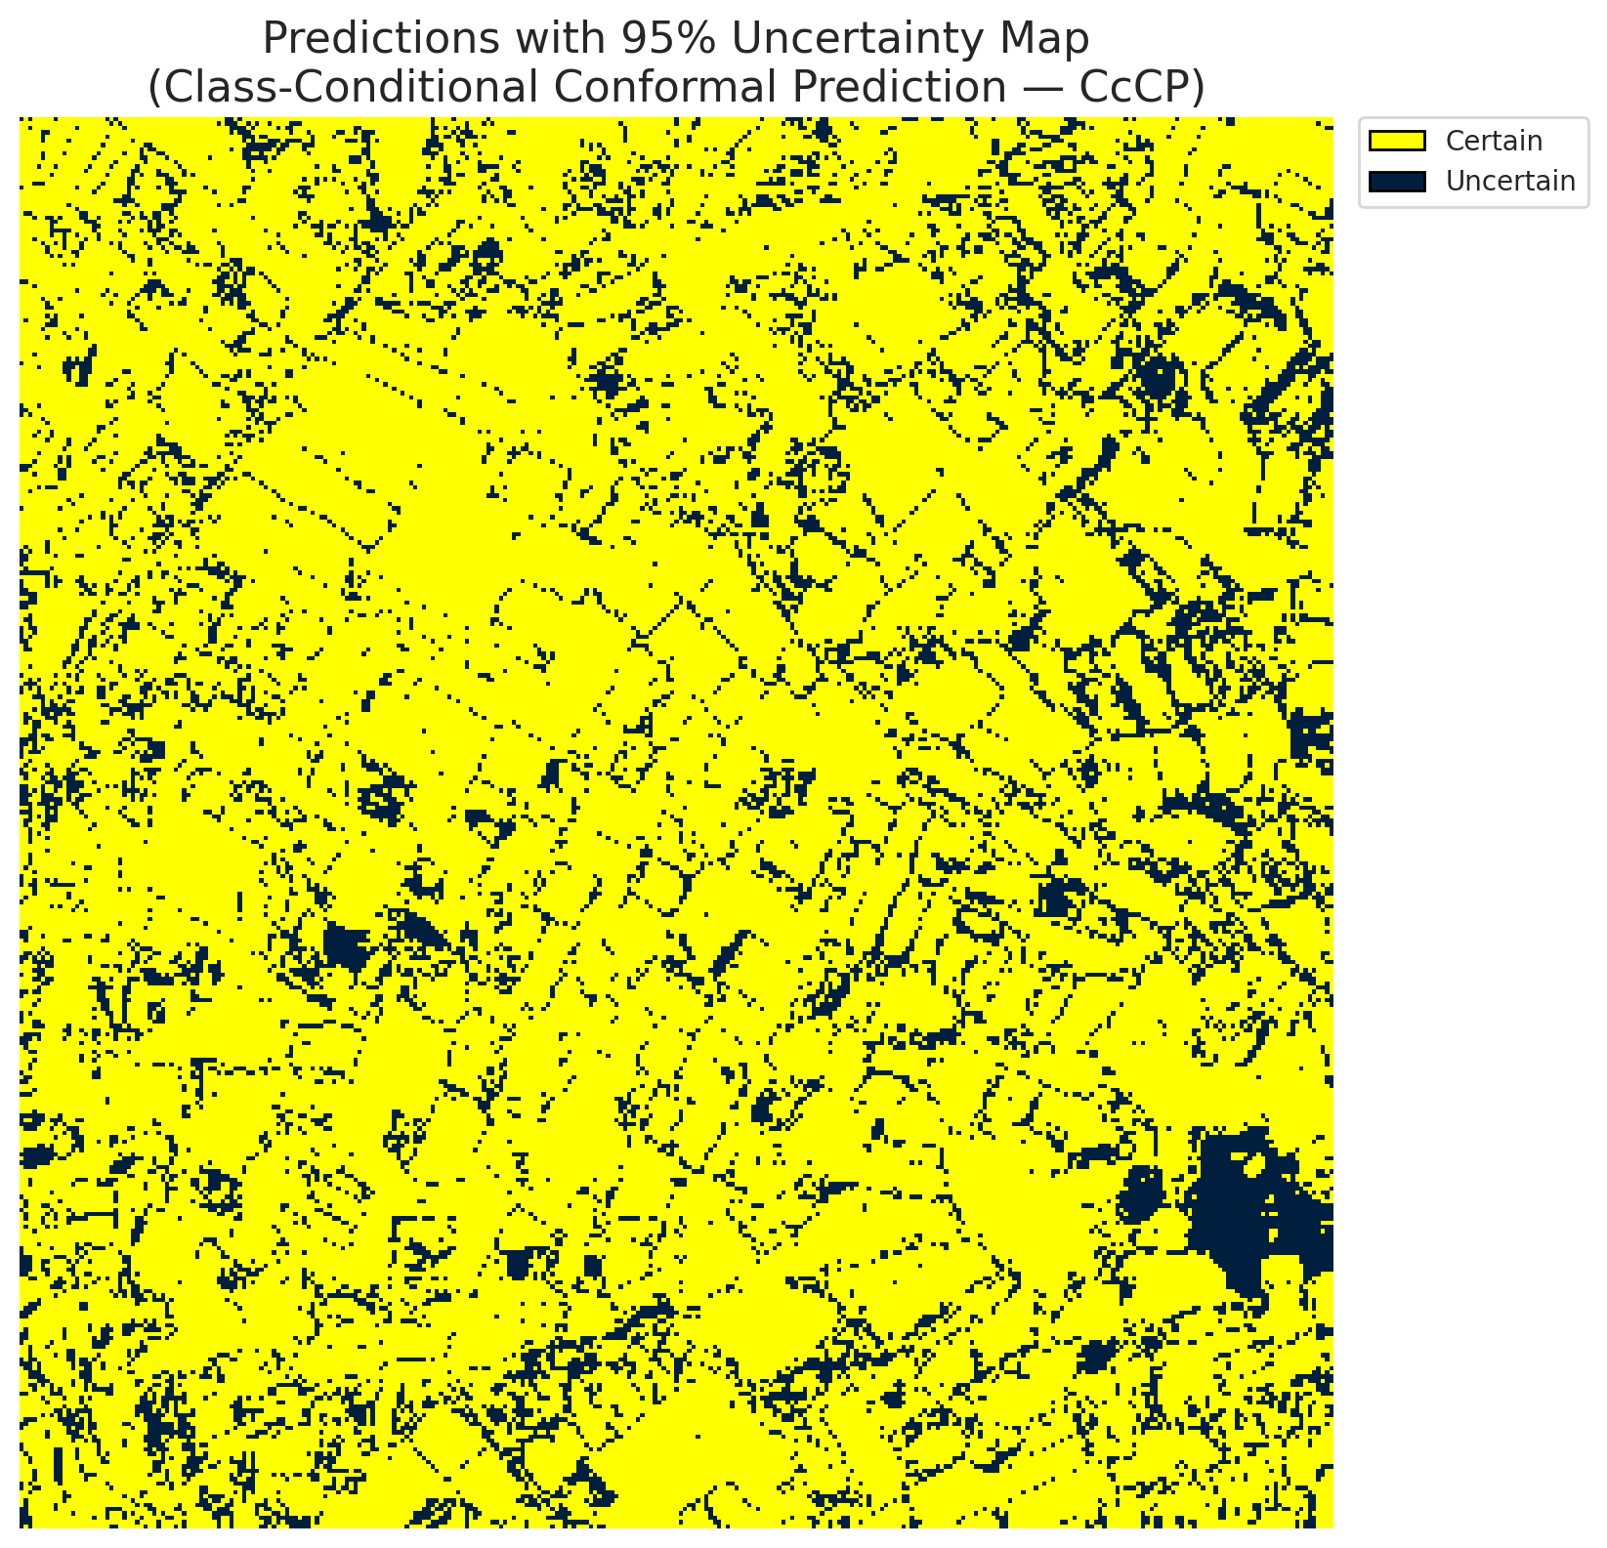
5 | Class 5 | 3602
6 | Class 6 | 1967
7 | Uncertain | 17111

Classwise q_hat
class_id | q_hat_classconditional
0 | 0.046703078332
1 | 0.045763045457
2 | 0.045325204448
3 | 0.41245260805
4 | 0.048624831277
5 | 0.037406108426
6 | 0.070794161566

 |  |  |  |  |  |  |  |  | Class Map with Uncertain Mask
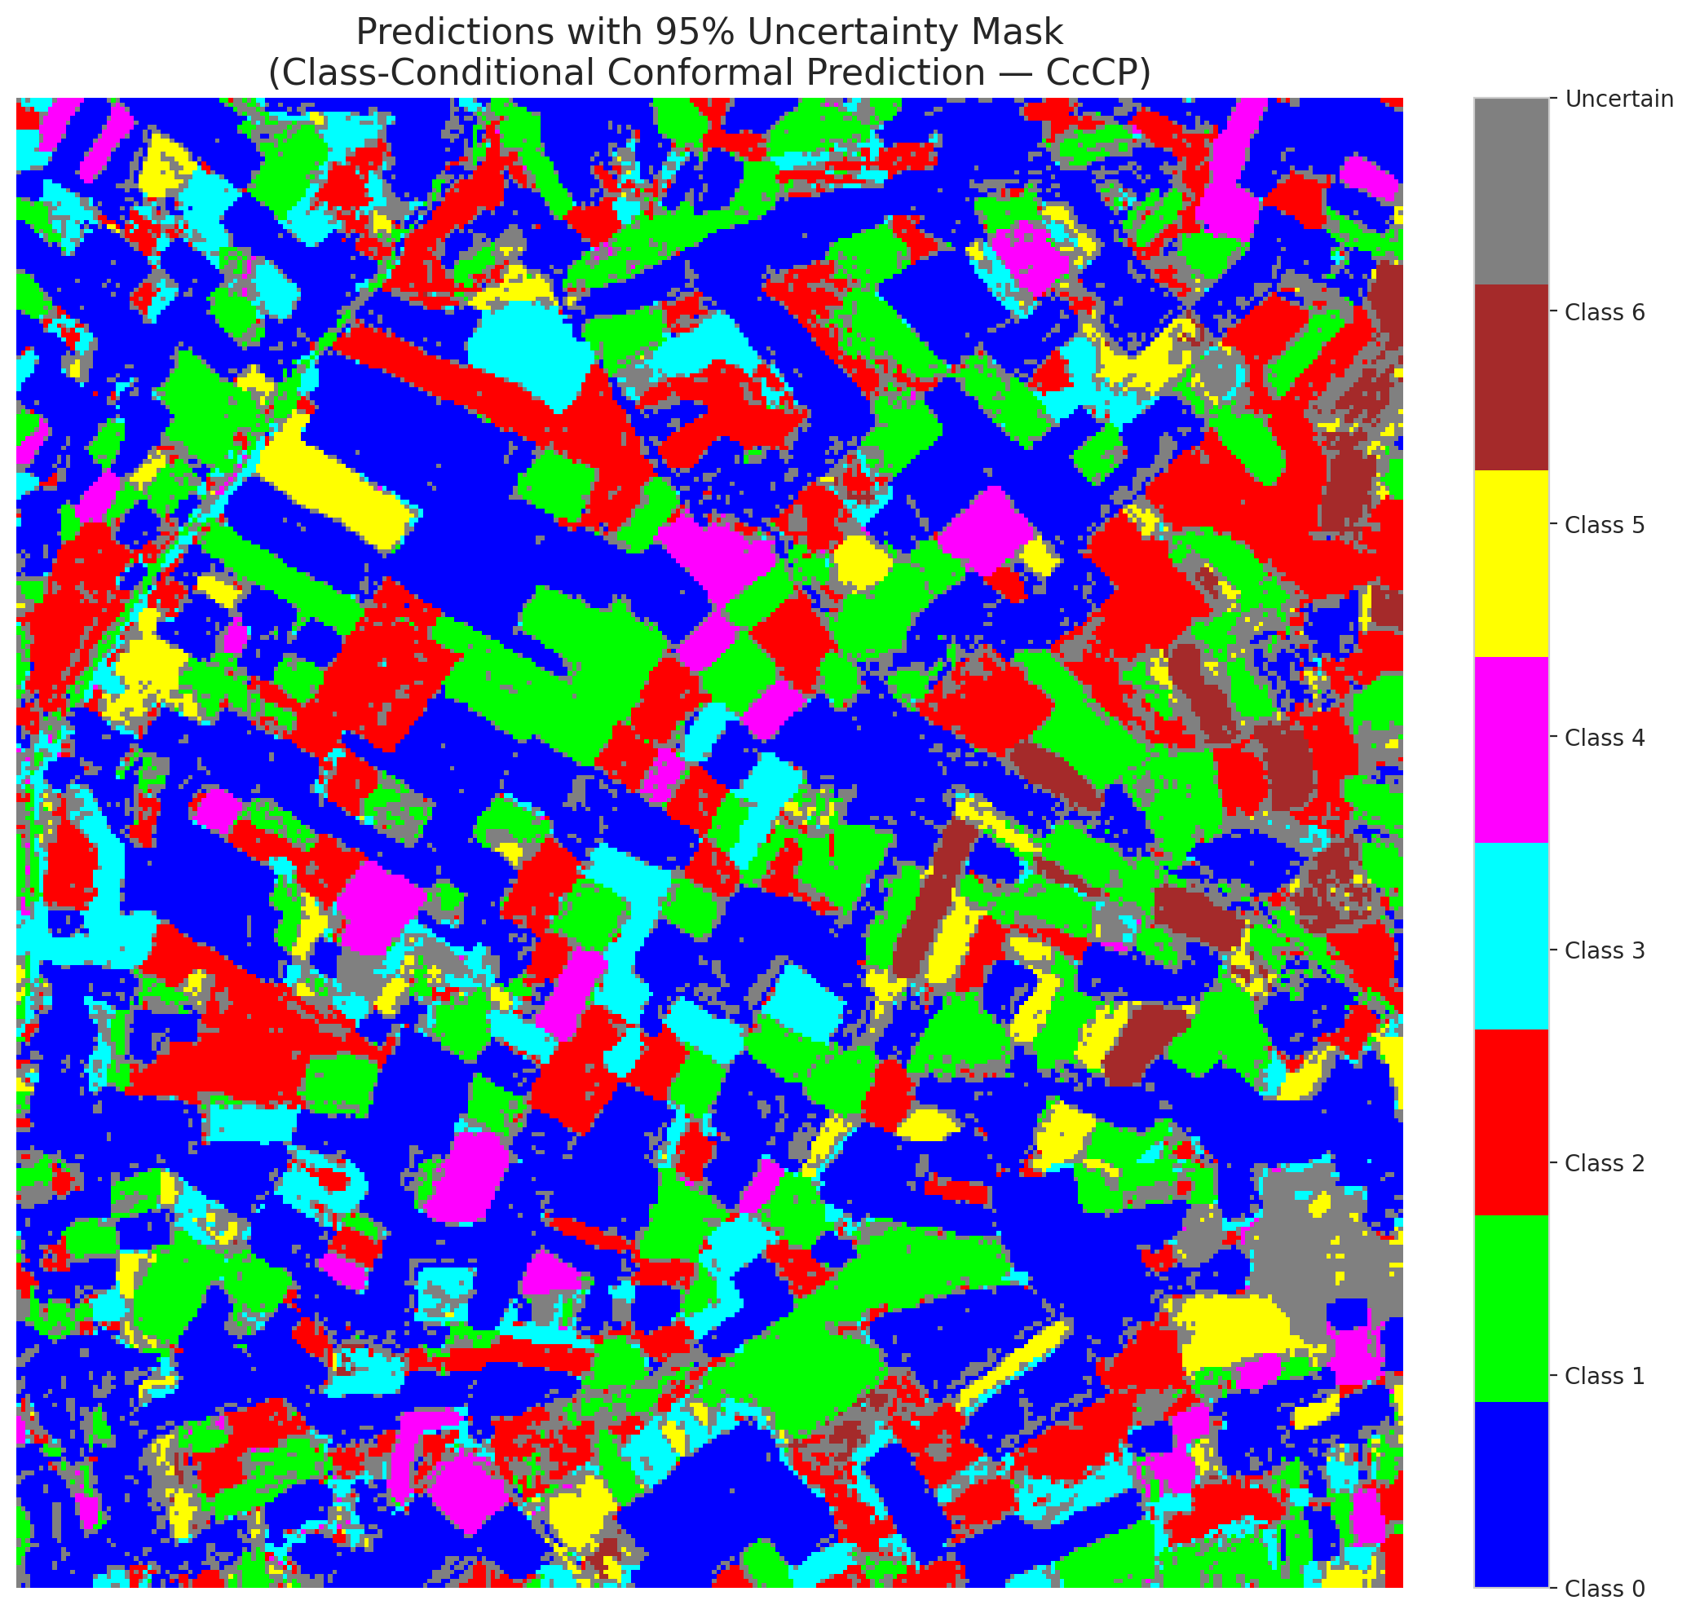

 |  |  |  |  |  |  |  |  | Pixel Counts

RC3P_ViT
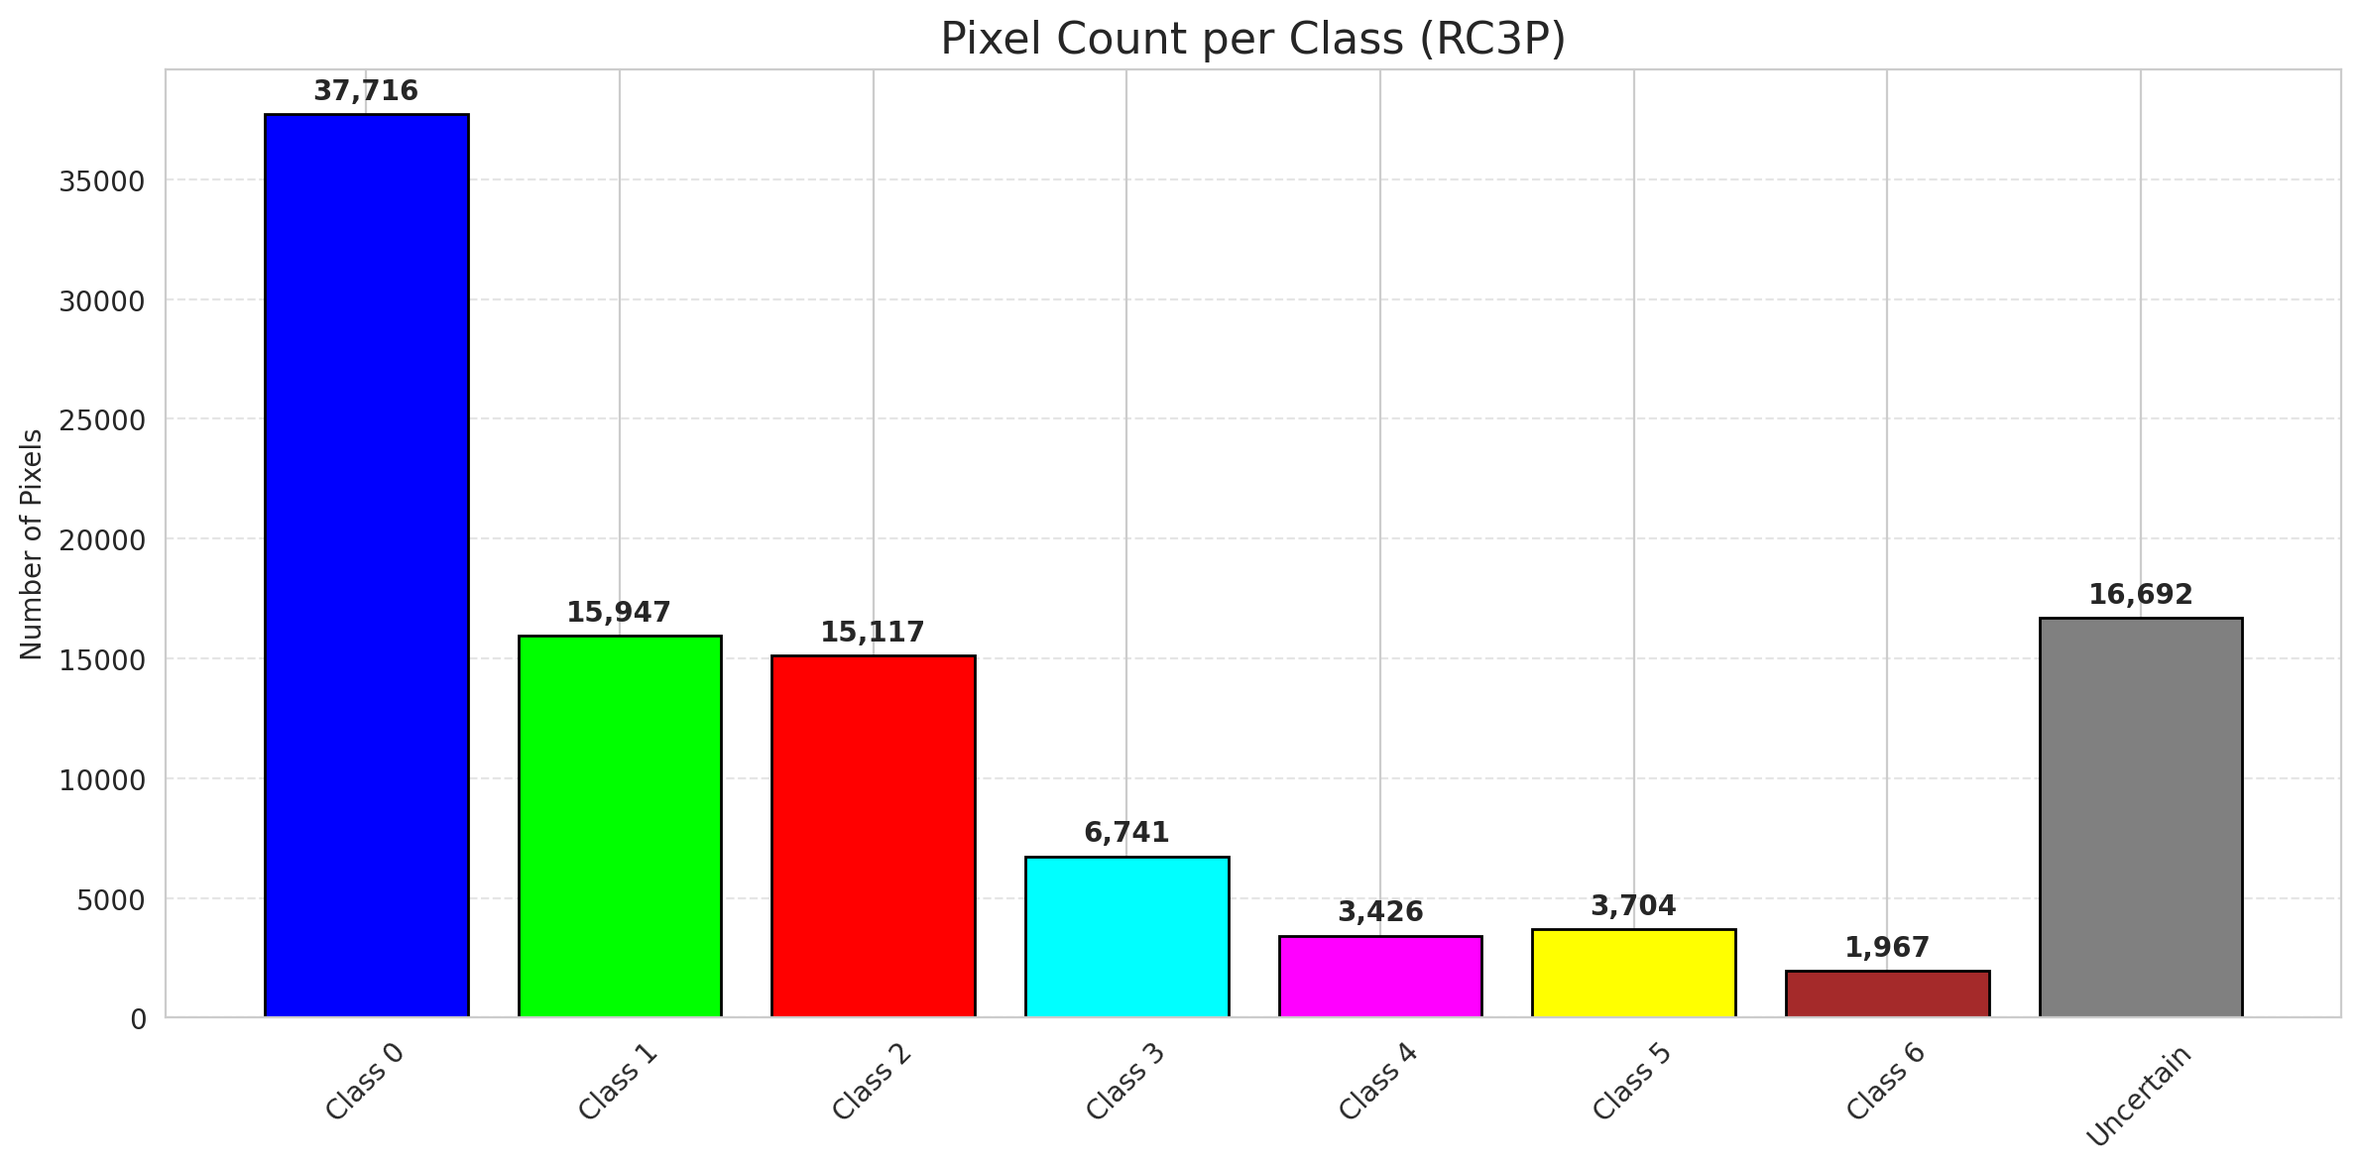
RC3P - ViT |  |  |  |  |  |  |  |  | Per-Class Coverage
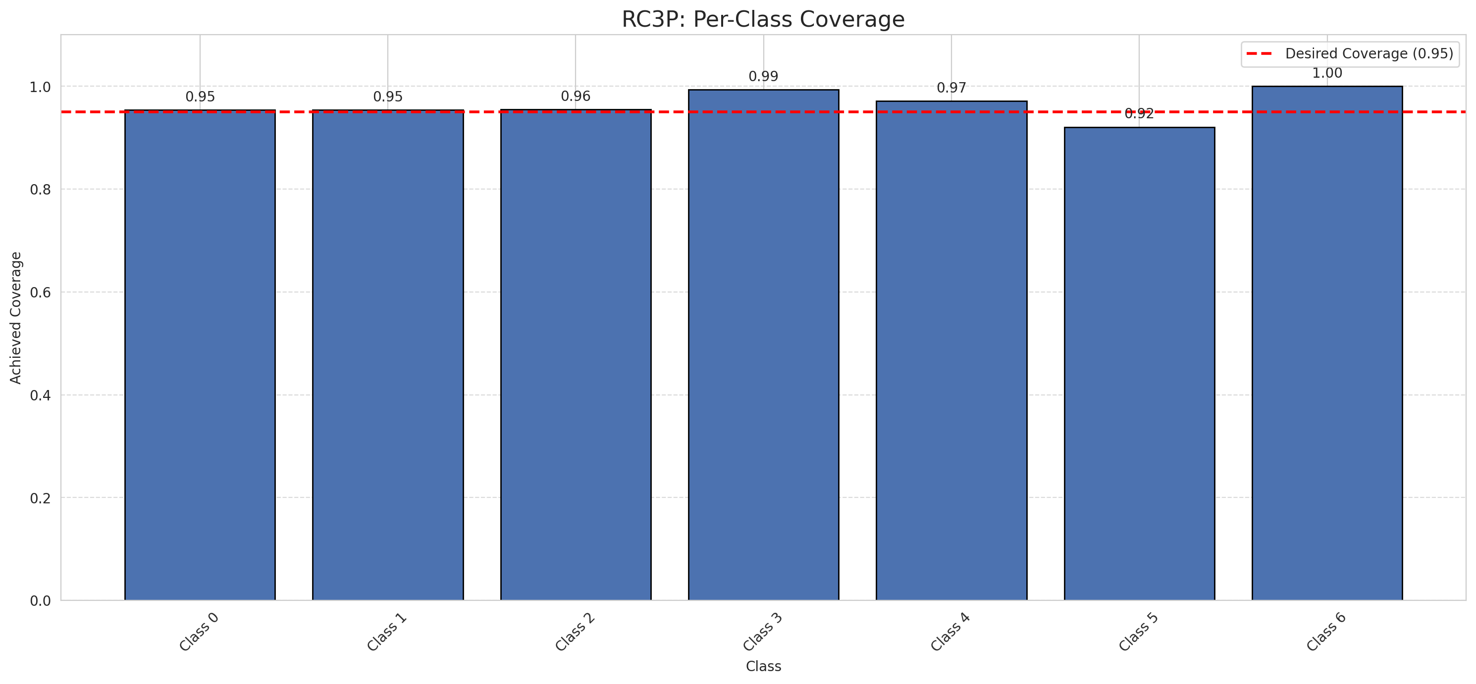
Summary
model_name | method | target_coverage | empirical_coverage | avg_set_size | median_set_size | singleton_rate | empty_set_rate | runtime_sec | alpha | lam | n_clusters | mean_per_class_coverage
ViT | RC3P | 0.95 | 0.95777262181 | 0.96102088167 | 1 | 0.96102088167 | 0.038979118329 | 2.617920029 | 0.05 |  |  | 0.96409079499

Per-Class Coverage Values
class_id | class_coverage | support_count
0 | 0.95404814004 | 914
1 | 0.95374449339 | 454
2 | 0.95530726257 | 358
3 | 0.99358974359 | 156
4 | 0.97115384615 | 104
5 | 0.92079207921 | 101
6 | 1 | 68

Pixel Counts
class_id | label | pixel_count
0 | Class 0 | 37716
1 | Class 1 | 15947
2 | Class 2 | 15117
3 | Class 3 | 6741
4 | Class 4 | 3426 |  |  |  |  |  |  | Certain vs Uncertain Map
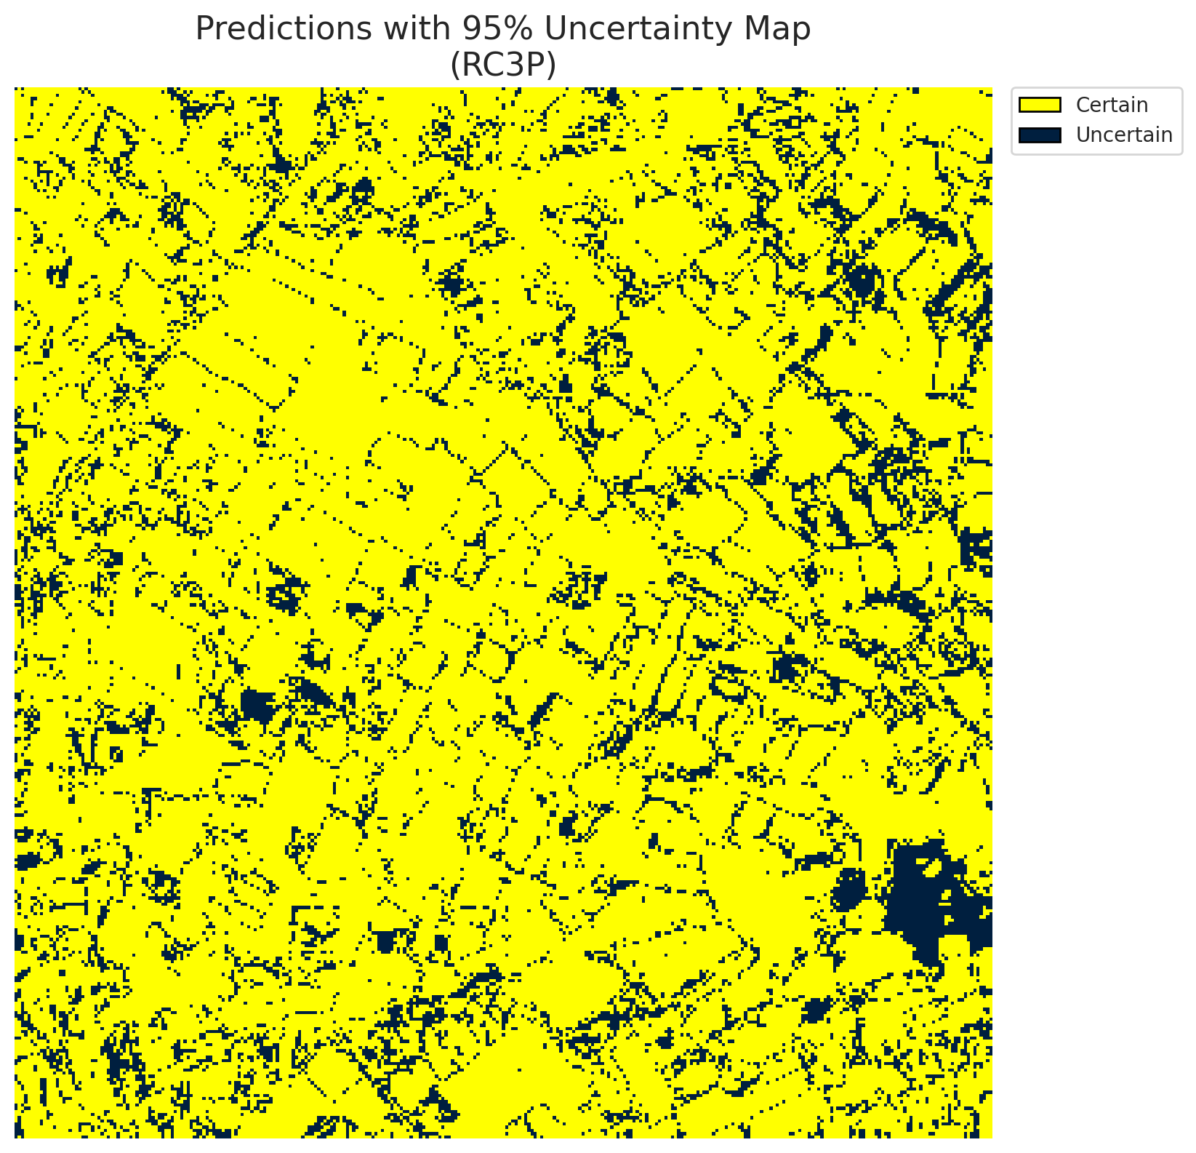
5 | Class 5 | 3704
6 | Class 6 | 1967
7 | Uncertain | 16692

RC3P Thresholds & Limits
class_id | q_hat_rc3p | suit_index_limit
0 | 0.046736125938 | 1
1 | 0.045927949796 | 1
2 | 0.045617740065 | 1
3 | 0.41245260805 | 1
4 | 0.060808614428 | 1
5 | 0.038220537328 | 1
6 | 0.070794161566 | 1

 |  |  |  |  |  |  |  |  | Class Map with Uncertain Mask
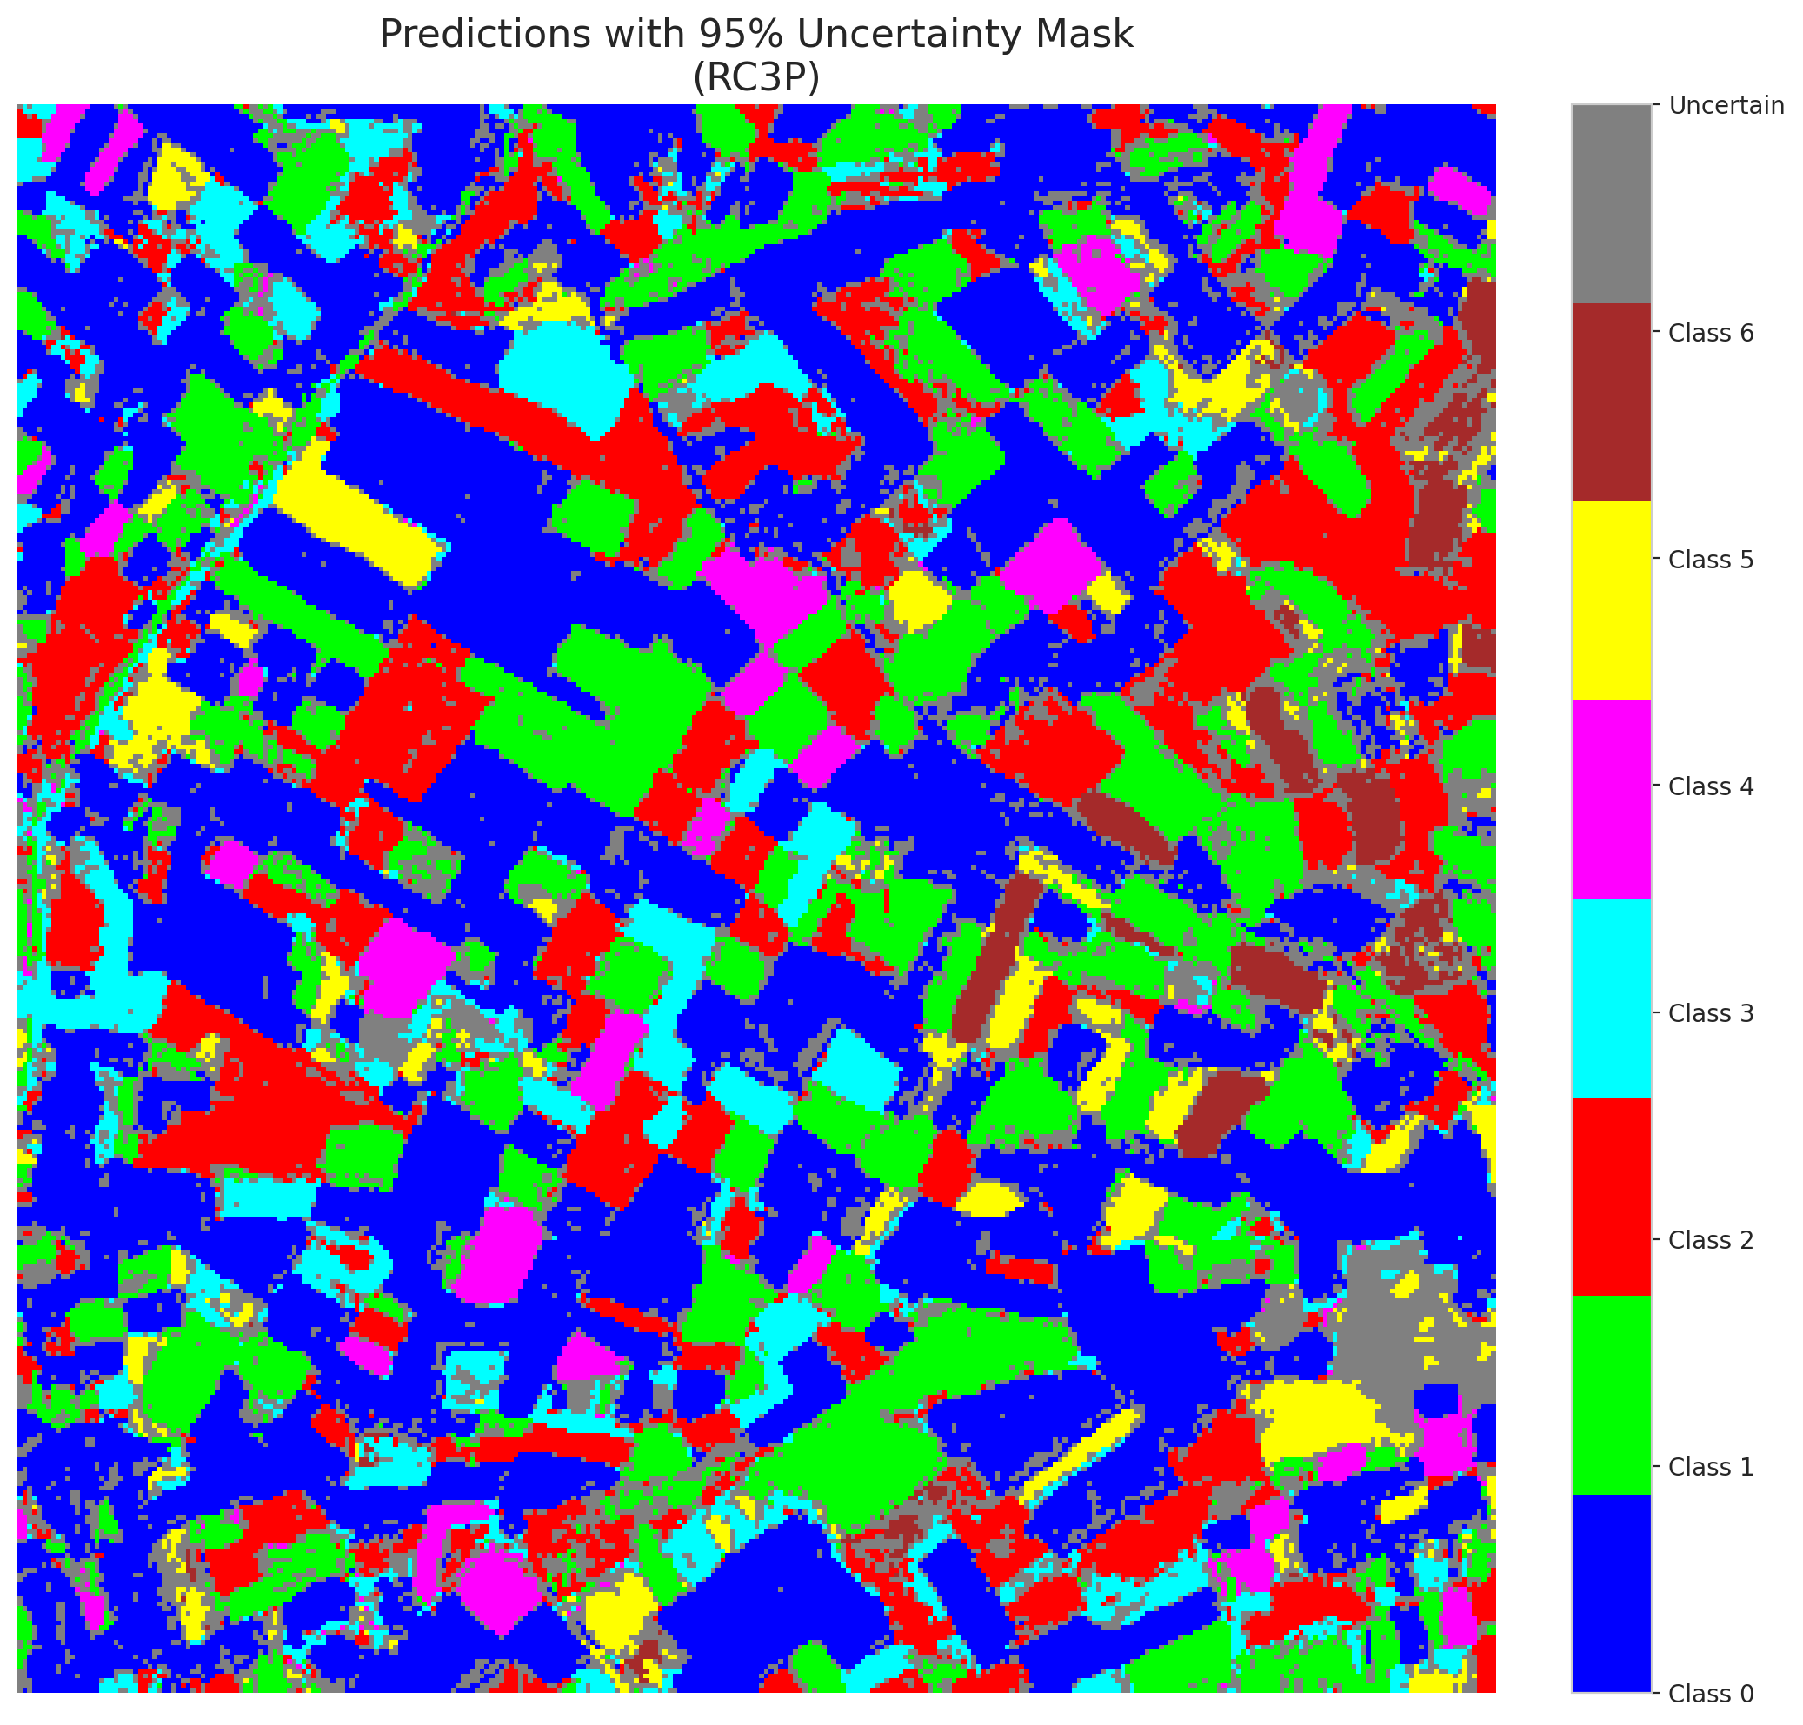

 |  |  |  |  |  |  |  |  | Pixel Counts

Clustered_ViT
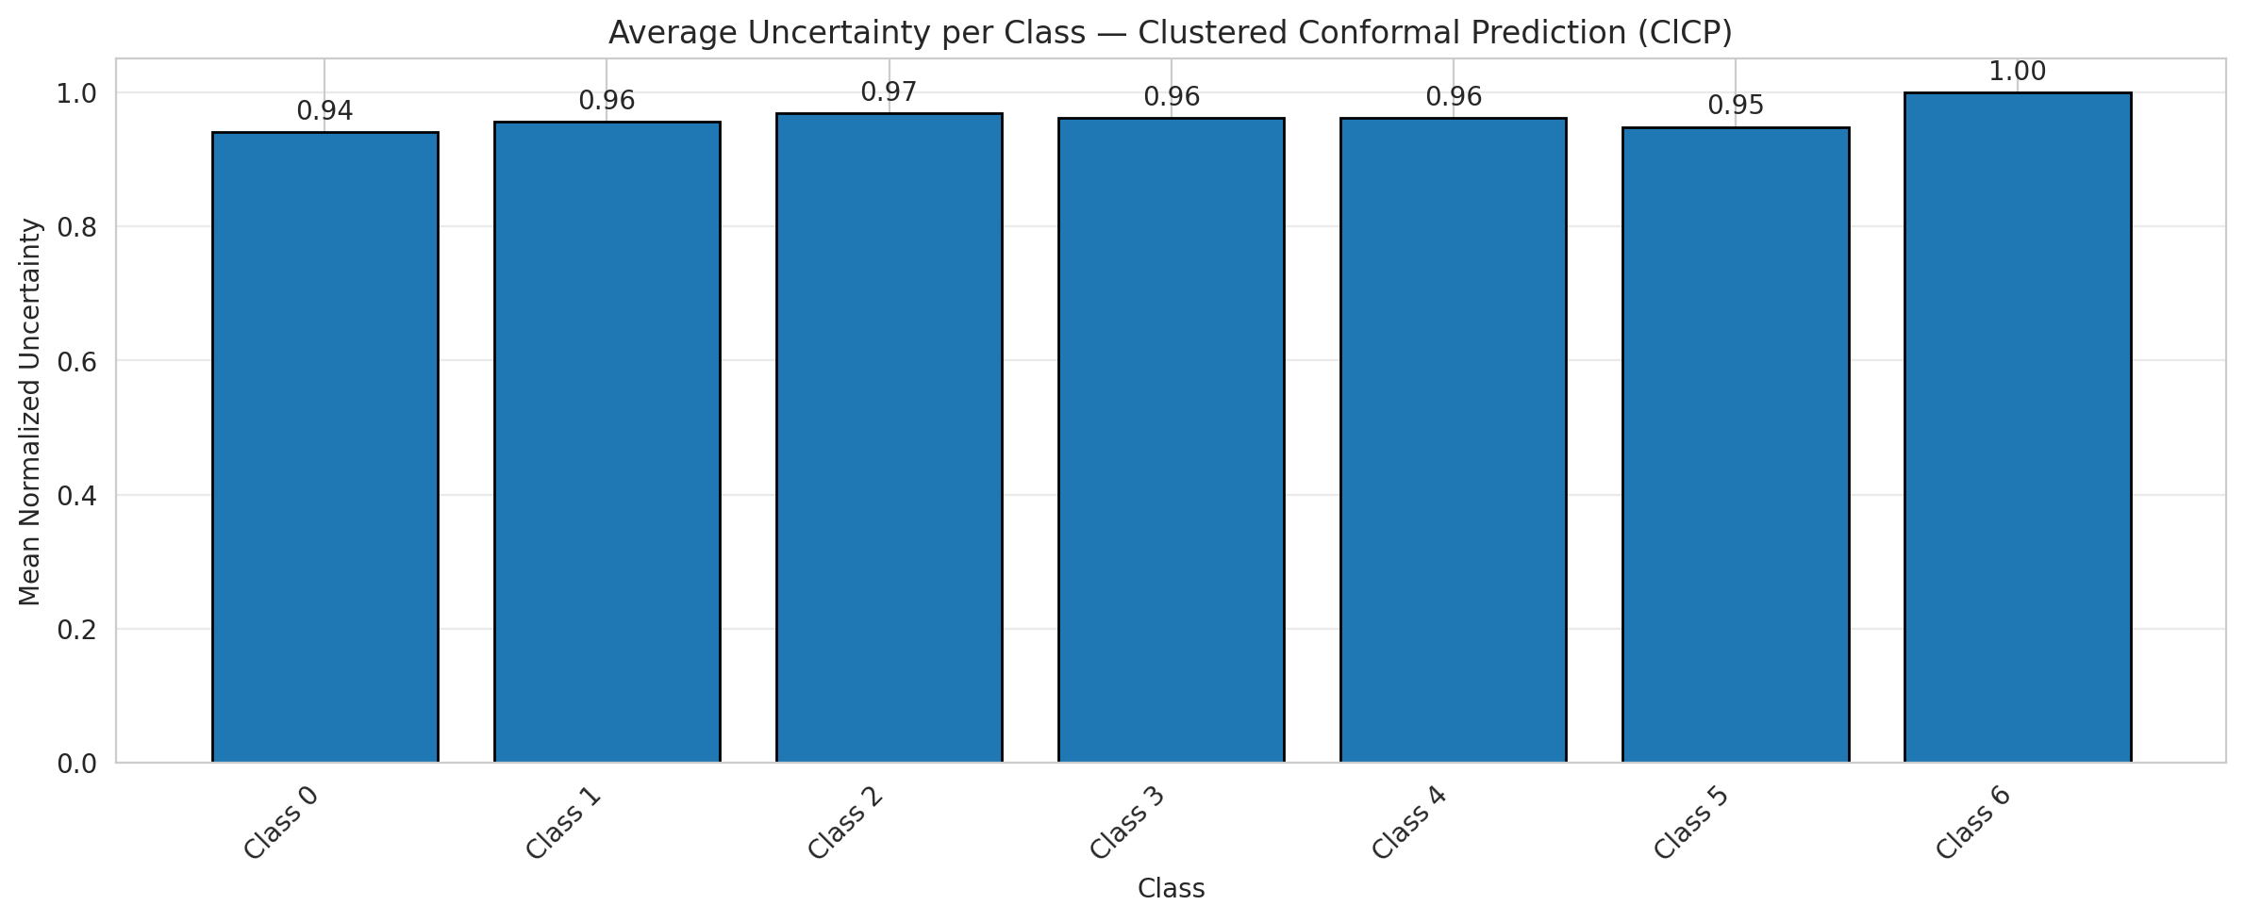
ClusteredConformal - ViT |  |  |  |  |  |  |  |  | Per-Class Coverage
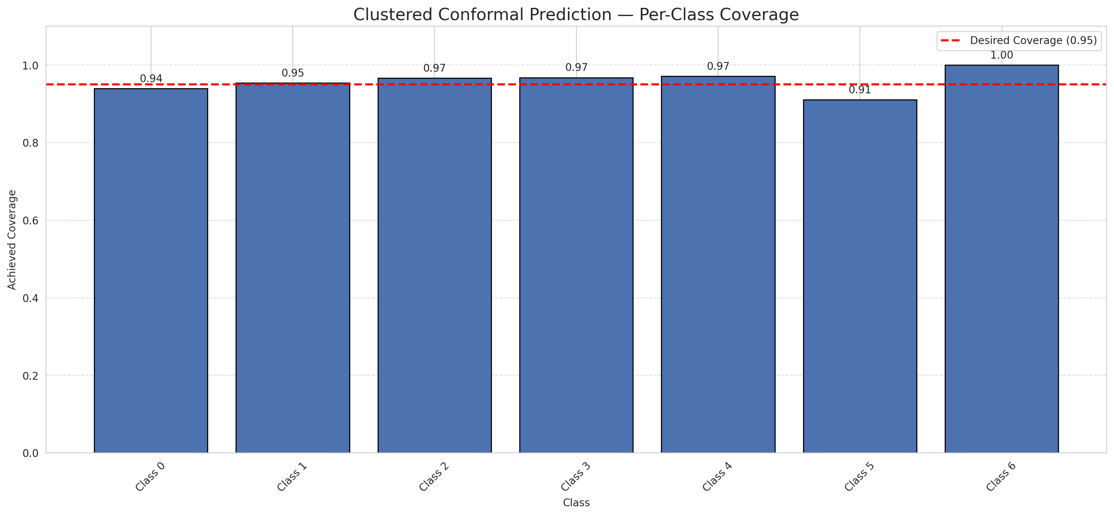
Summary
model_name | method | target_coverage | empirical_coverage | avg_set_size | median_set_size | singleton_rate | empty_set_rate | runtime_sec | alpha | lam | n_clusters | mean_per_class_coverage
ViT | ClusteredConformal | 0.95 | 0.95127610209 | 0.9535962877 | 1 | 0.9535962877 | 0.046403712297 | 11.064949134 | 0.05 |  | 4 | 0.9585776484

Per-Class Coverage Values
class_id | class_coverage | support_count
0 | 0.9398249453 | 914
1 | 0.95374449339 | 454
2 | 0.96648044693 | 358
3 | 0.96794871795 | 156
4 | 0.97115384615 | 104
5 | 0.91089108911 | 101
6 | 1 | 68

Class-to-Cluster Assignment
class_id | cluster_id
0 | 1
1 | 1
2 | 1
3 | 1
4 | 0 |  |  |  |  |  |  |  | Uncertainty Distribution
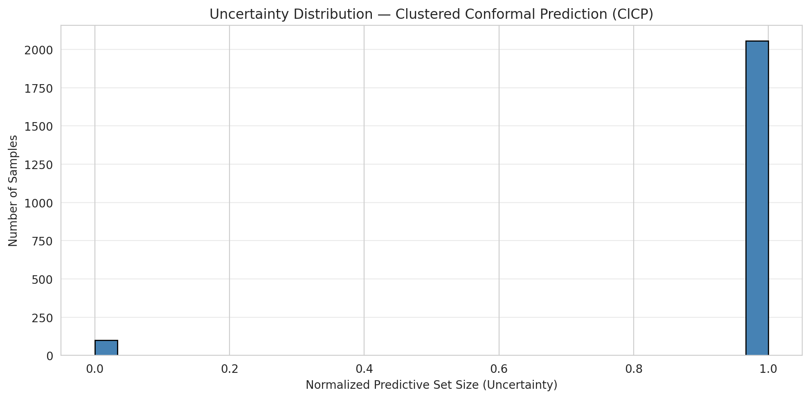
5 | 3
6 | 2

Cluster q_hat
cluster_id | q_hat_cluster
0 | 0.048624831277
1 | 0.046583425621
2 | 0.070794161566
3 | 0.037406108426

Cluster Mean Uncertainty
cluster | uncertainty
0 | 0.9619047619
1 | 0.95172413793
2 | 1
3 | 0.94845360825

Class Mean Uncertainty
class_id | uncertainty
0 | 0.9408543264
1 | 0.95614035088 |  |  |  |  |  |  |  | Avg Uncertainty per Cluster
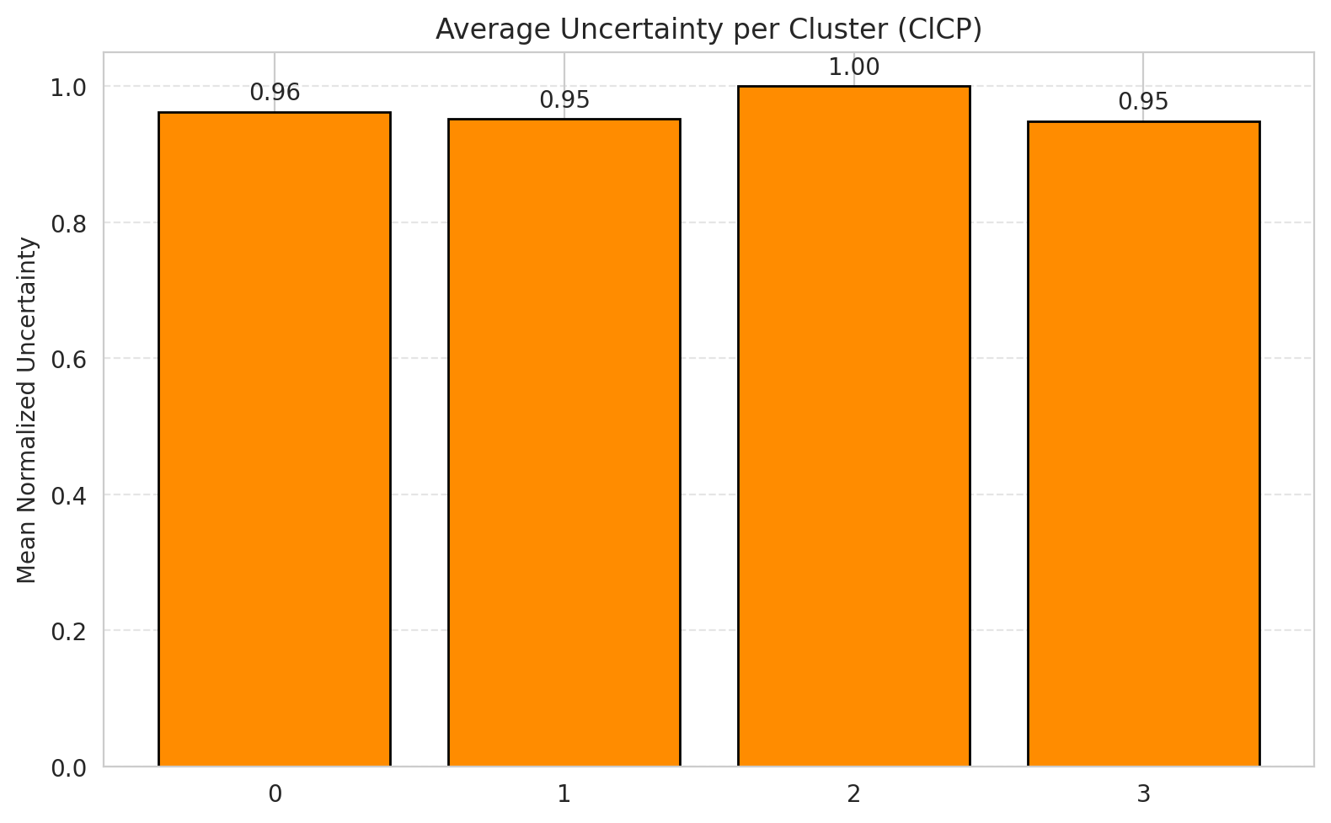
2 | 0.96927374302
3 | 0.96202531646
4 | 0.9619047619
5 | 0.94845360825
6 | 1

 |  |  |  |  |  |  |  |  | Avg Uncertainty per Class

RAPS_ViT
RAPS - ViT |  |  |  |  |  |  |  |  | Per-Class Coverage
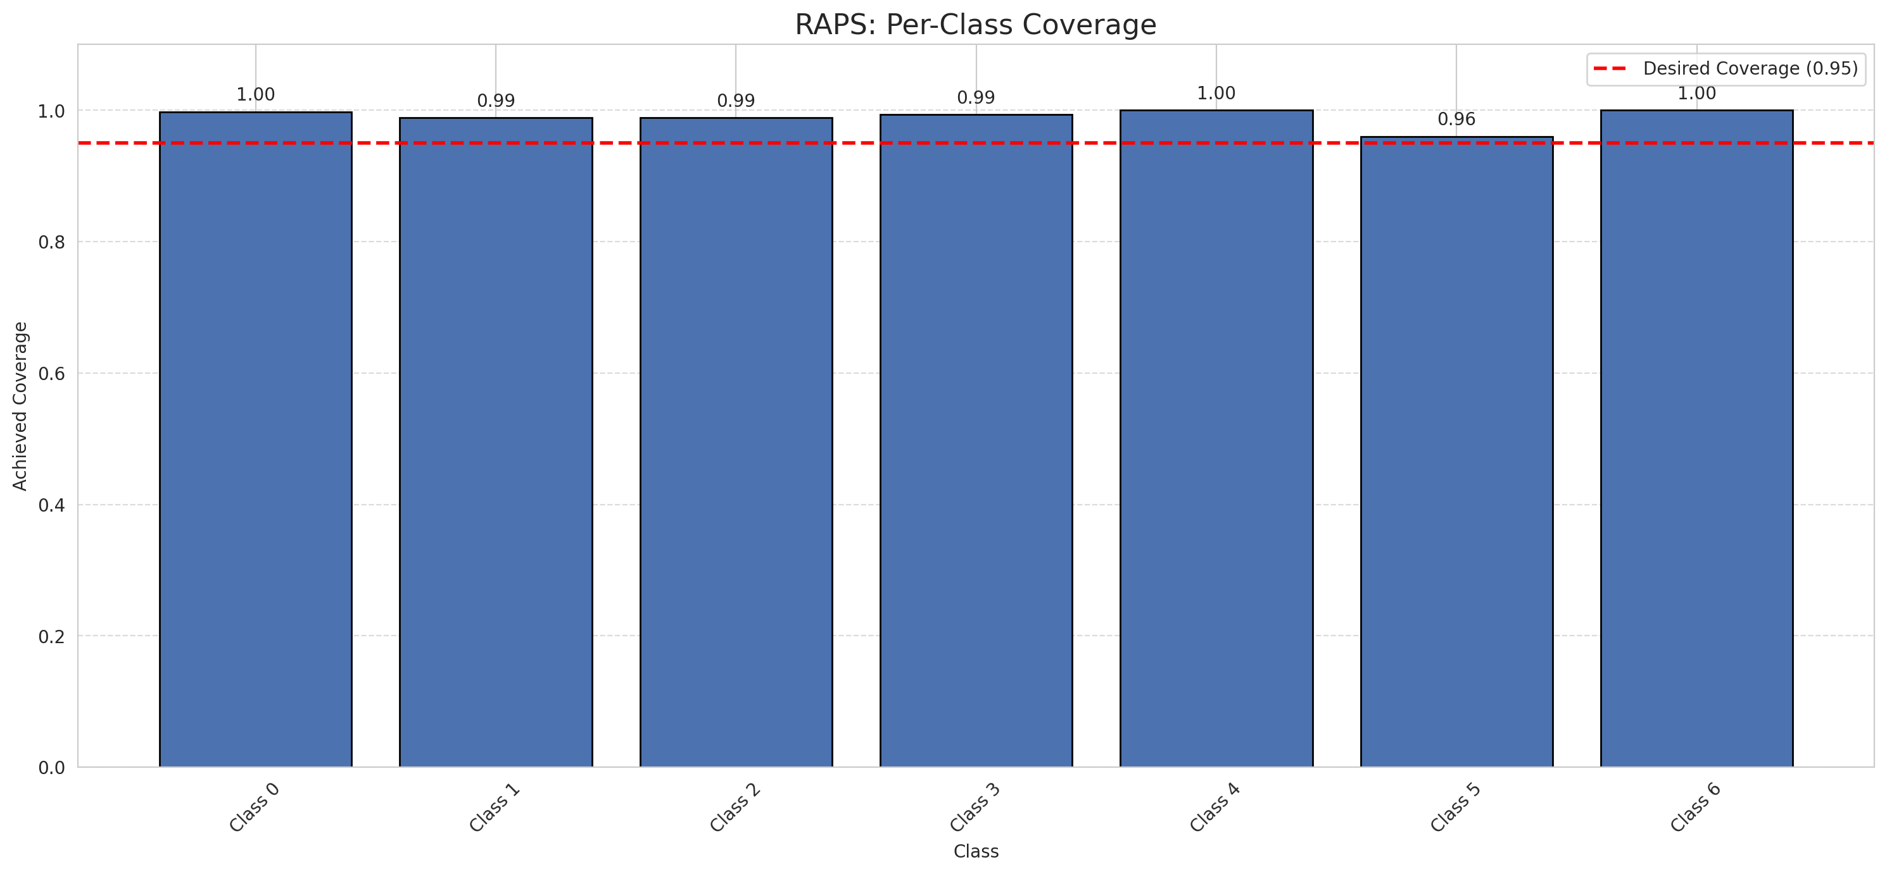
Summary
model_name | method | target_coverage | empirical_coverage | avg_set_size | median_set_size | singleton_rate | empty_set_rate | runtime_sec | alpha | lam | n_clusters | mean_per_class_coverage
ViT | RAPS | 0.95 | 0.99257540603 | 1 | 1 | 1 | 0 | 0.410773773 | 0.05 | 0.01 |  | 0.98994445702

Per-Class Coverage Values
class_id | class_coverage | support_count
0 | 0.99781181619 | 914
1 | 0.98898678414 | 454
2 | 0.98882681564 | 358
3 | 0.99358974359 | 156
4 | 1 | 104
5 | 0.9603960396 | 101
6 | 1 | 68

RAPS Parameters
q_hat_raps | lambda | k_reg
0 | 0.01 | 1

Compare_Clustered
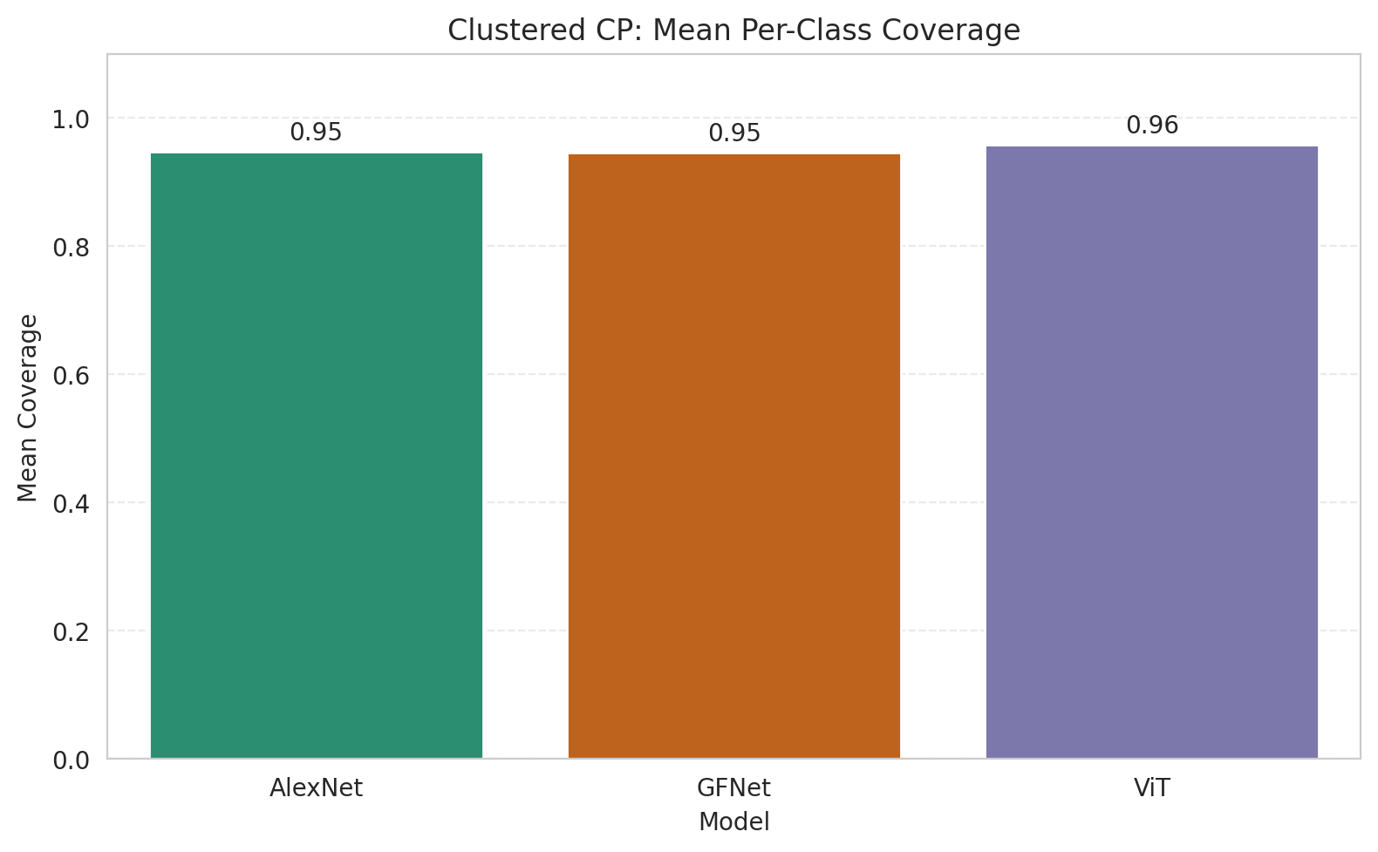
Clustered CP: 3-Model Comparison

model_name | method | target_coverage | empirical_coverage | avg_set_size | median_set_size | singleton_rate | empty_set_rate | model_name | mean_per_class_coverage | lam | n_clusters | mean_per_class_coverage
AlexNet | ClusteredConformal | 0.95 | 0.95684454756 | 0.95684454756 | 1 | 0.95684454756 | 0.043155452436 | AlexNet | 0.94743203554 |  | 4 | 0.94743203554
GFNet | ClusteredConformal | 0.95 | 0.95034802784 | 0.95034802784 | 1 | 0.95034802784 | 0.049651972158 | GFNet | 0.9459429557 |  | 4 | 0.9459429557
ViT | ClusteredConformal | 0.95 | 0.95127610209 | 0.9535962877 | 1 | 0.9535962877 | 0.046403712297 | ViT | 0.9585776484 |  | 4 | 0.9585776484

Grouped Metrics Comparison

Mean Per-Class Coverage Comparison

Compare_RAPS
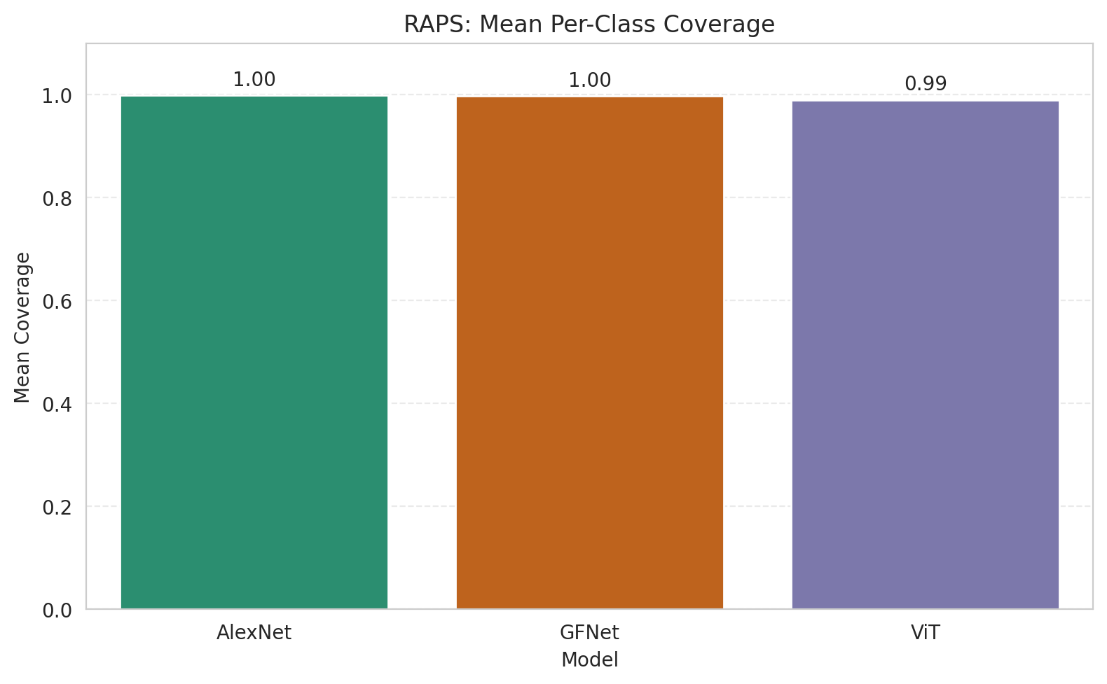
RAPS: 3-Model Comparison

model_name | method | target_coverage | empirical_coverage | avg_set_size | median_set_size | singleton_rate | empty_set_rate | model_name | mean_per_class_coverage | lam | n_clusters | mean_per_class_coverage
AlexNet | RAPS | 0.95 | 0.99907192575 | 1 | 1 | 1 | 0 | AlexNet | 0.99928629439 | 0.01 |  | 0.99928629439
GFNet | RAPS | 0.95 | 0.99767981439 | 1 | 1 | 1 | 0 | GFNet | 0.99748807989 | 0.01 |  | 0.99748807989
ViT | RAPS | 0.95 | 0.99257540603 | 1 | 1 | 1 | 0 | ViT | 0.98994445702 | 0.01 |  | 0.98994445702

Grouped Metrics Comparison

Mean Per-Class Coverage Comparison

