DAPM_AlexNet
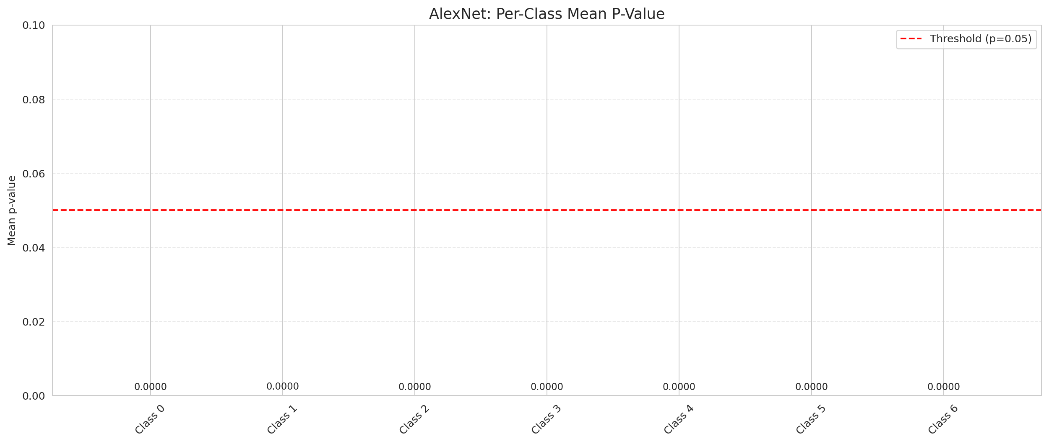
DAPM — AlexNet |  |  |  |  |  |  |  |  | Certain vs Uncertain Map
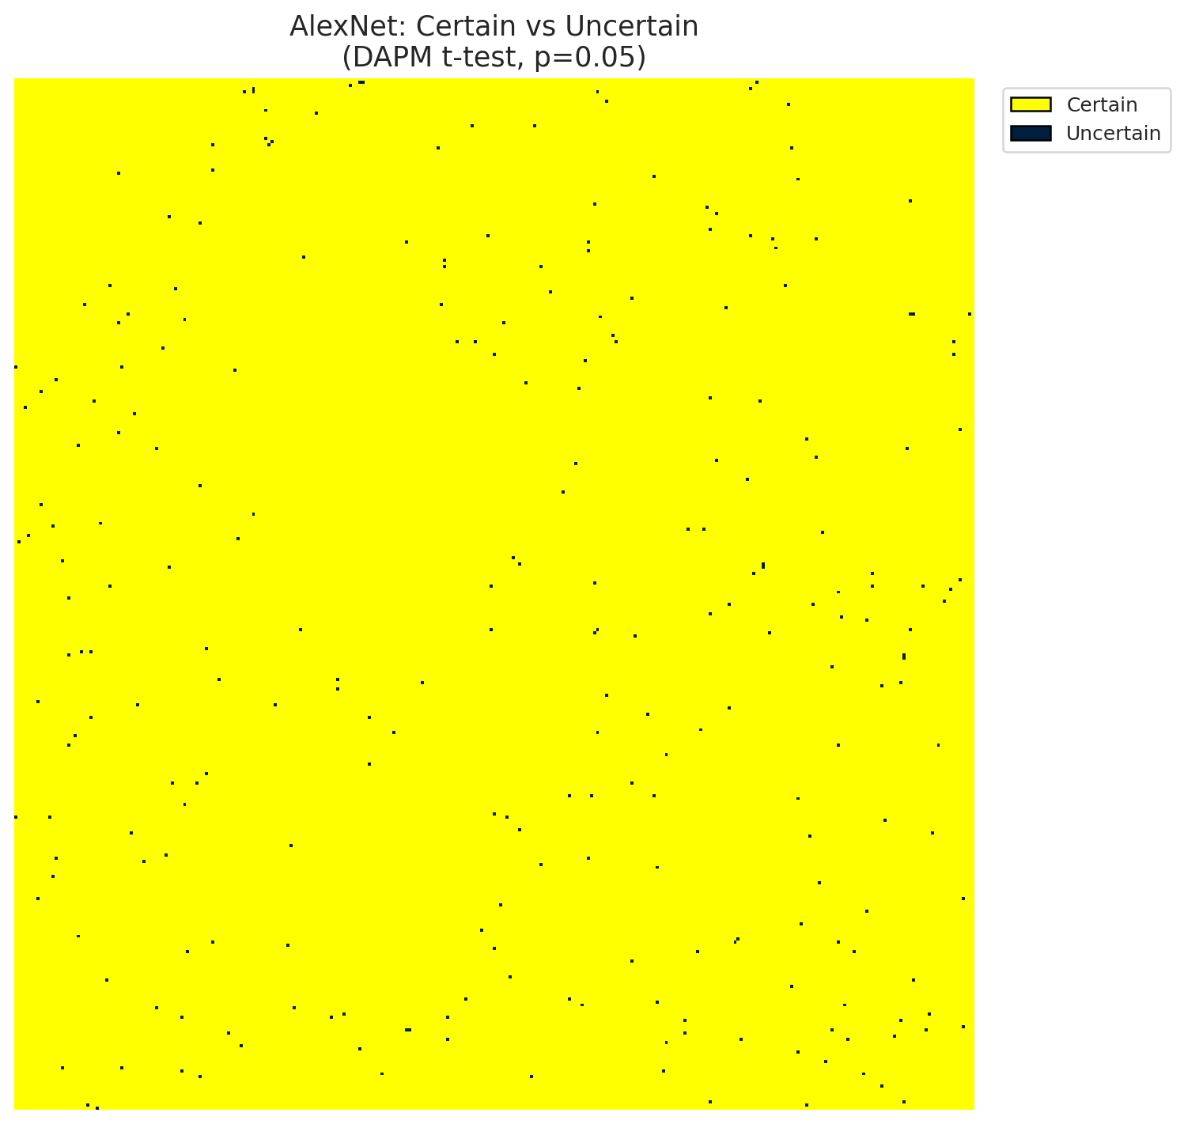
Summary
model_name | model_key | method | n_samples | p_threshold | overall_accuracy_labeled | uncertain_count | uncertain_rate | certainty_rate | mean_p_value | median_p_value | mean_top1_top2_gap | runtime_sec | mean_per_class_accuracy | mean_per_class_uncertainty
AlexNet | AlexNet_CNN | DAPM_TTest | 30 | 0.05 | 0.99918788793 | 255 | 0.002517026947 | 0.99748297305 | 0.0010730797658 | 0 | 0.17398877442 | 220.67010951 | 0.99918628929 | 0

Per-Class Metrics
class_id | class_accuracy | uncertainty_rate | mean_p_value | mean_gap | support_count
0 | 0.99931600547 | 0 | 9.143583668E-08 | 0.18505482376 | 7310
1 | 0.99889898156 | 0 | 3.0445944503E-06 | 0.18761490285 | 3633
2 | 0.99930094373 | 0 | 2.3784942016E-08 | 0.19554586709 | 2861
3 | 0.99920063949 | 0 | 7.6531915629E-41 | 0.18582865596 | 1251
4 | 0.99758745476 | 0 | 1.0186271052E-15 | 0.18847435713 | 829
5 | 1 | 0 | 6.6158873812E-39 | 0.18281798065 | 812
6 | 1 | 0 | 4.1373306331E-38 | 0.19798229635 | 543

Pixel Counts
class_id | label | pixel_count
0 | Class 0 | 39900
1 | Class 1 | 20630
2 | Class 2 | 19797
3 | Class 3 | 7664
4 | Class 4 | 4929 |  |  |  |  |  |  | Class + Uncertain Mask
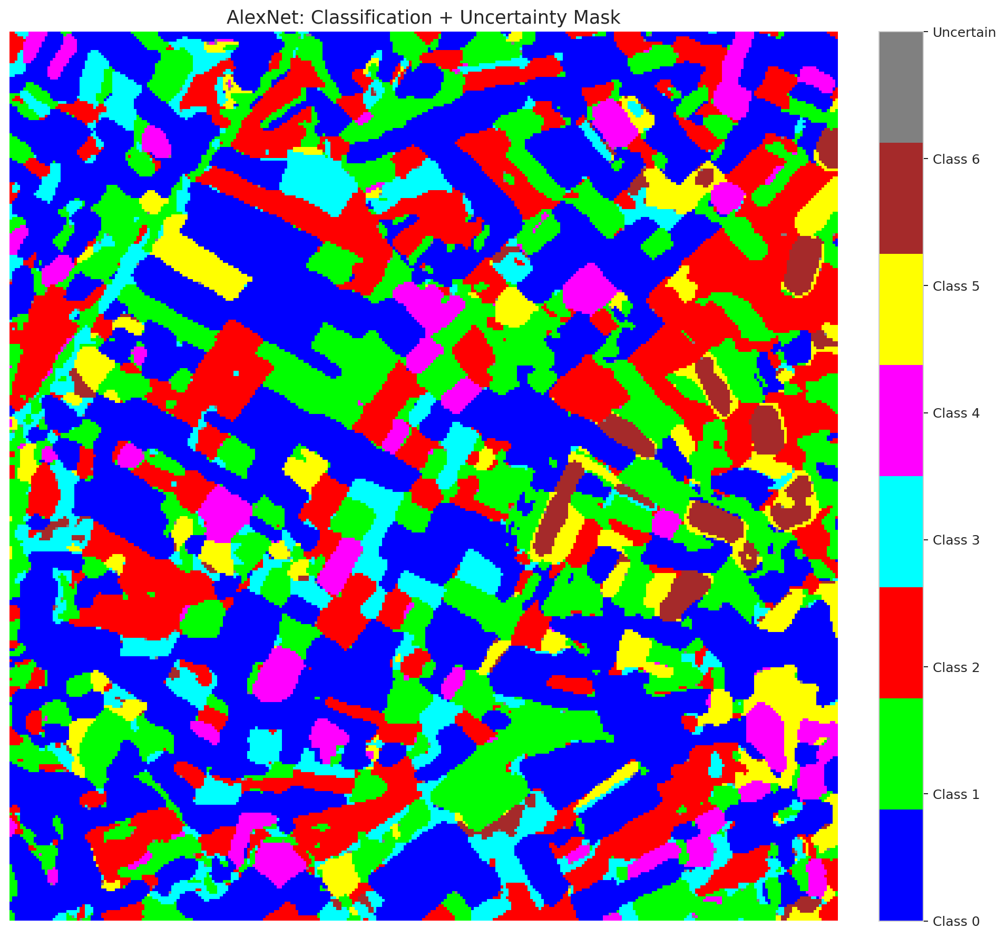
5 | Class 5 | 5708
6 | Class 6 | 2427
7 | Uncertain | 255

Parameters
n_samples | p_threshold | H | W | total_pixels | labeled_pixels
30 | 0.05 | 330 | 307 | 101310 | 17239

 |  |  |  |  |  |  |  |  | Pixel Counts
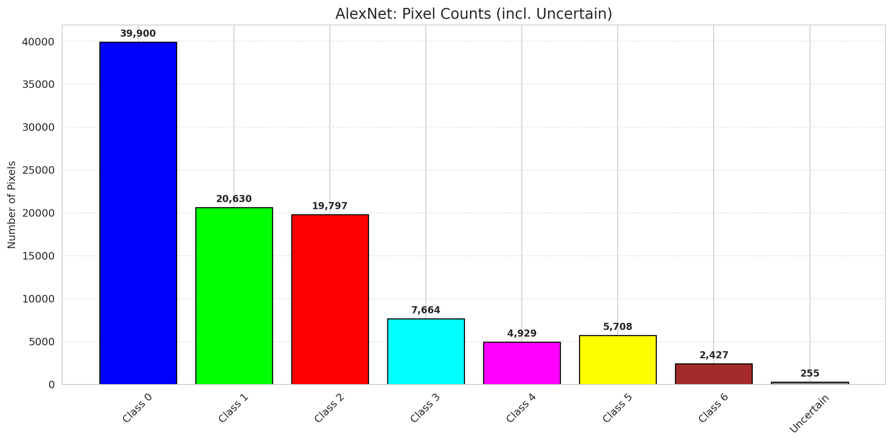

 |  |  |  |  |  |  |  |  | P-Value Distribution
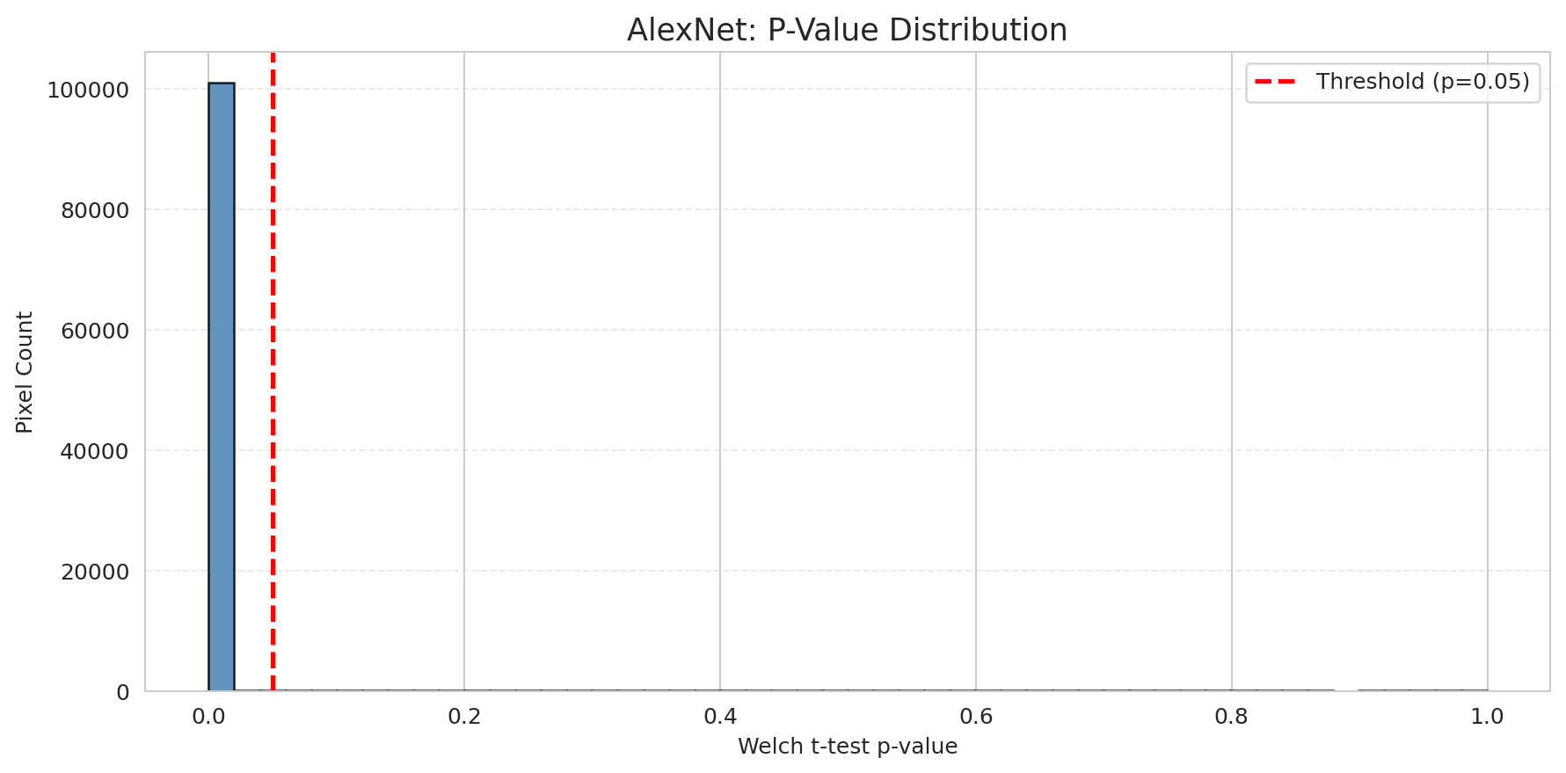

 |  |  |  |  |  |  |  |  | Top1-Top2 Gap Distribution
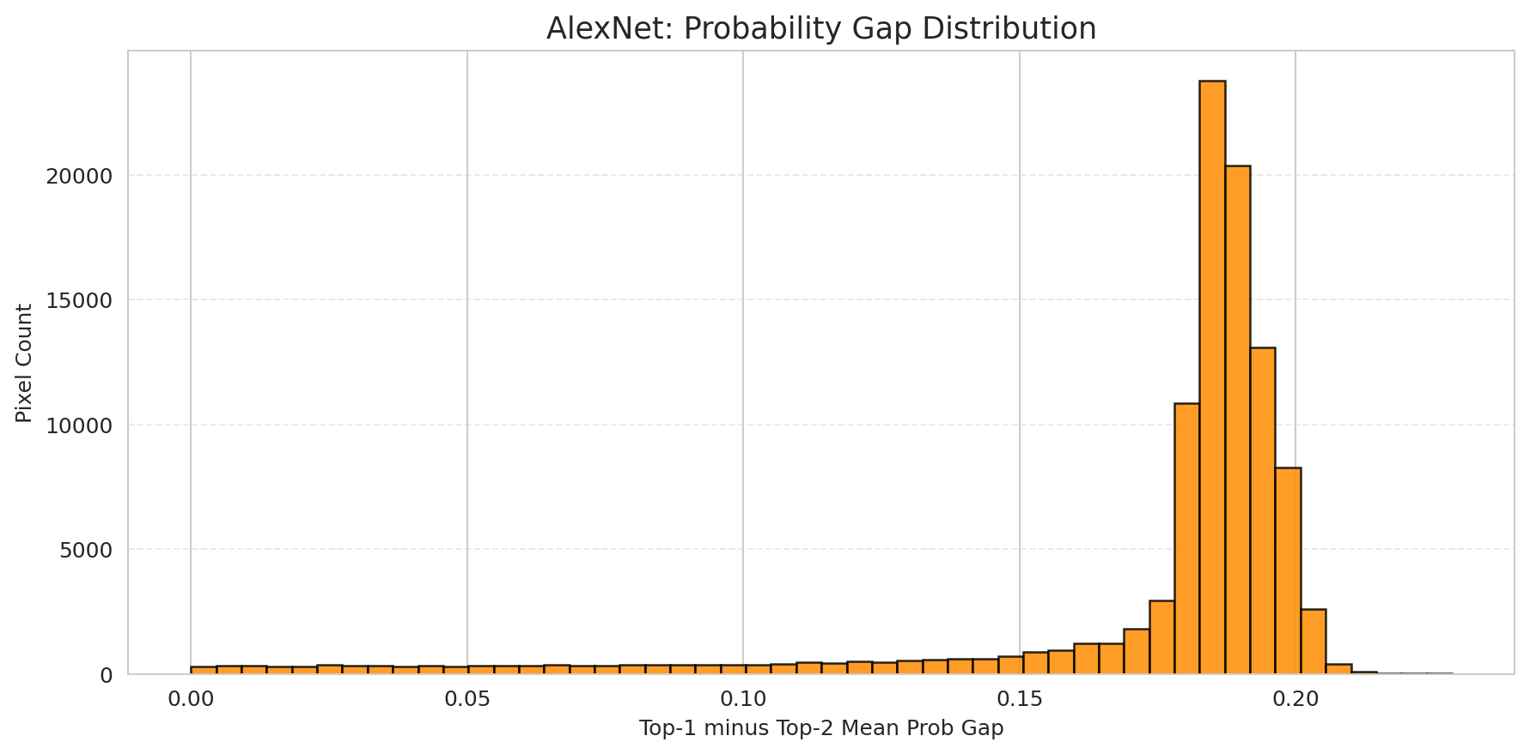

 |  |  |  |  |  |  |  |  | Per-Class Accuracy
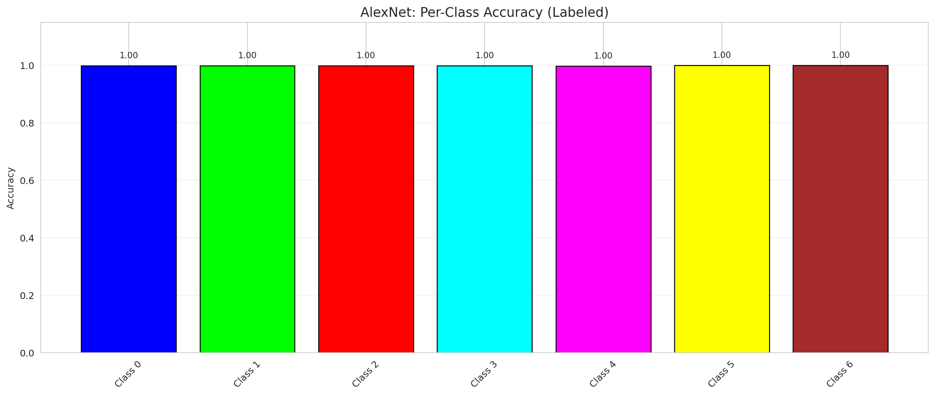

 |  |  |  |  |  |  |  |  | Per-Class Uncertainty Rate
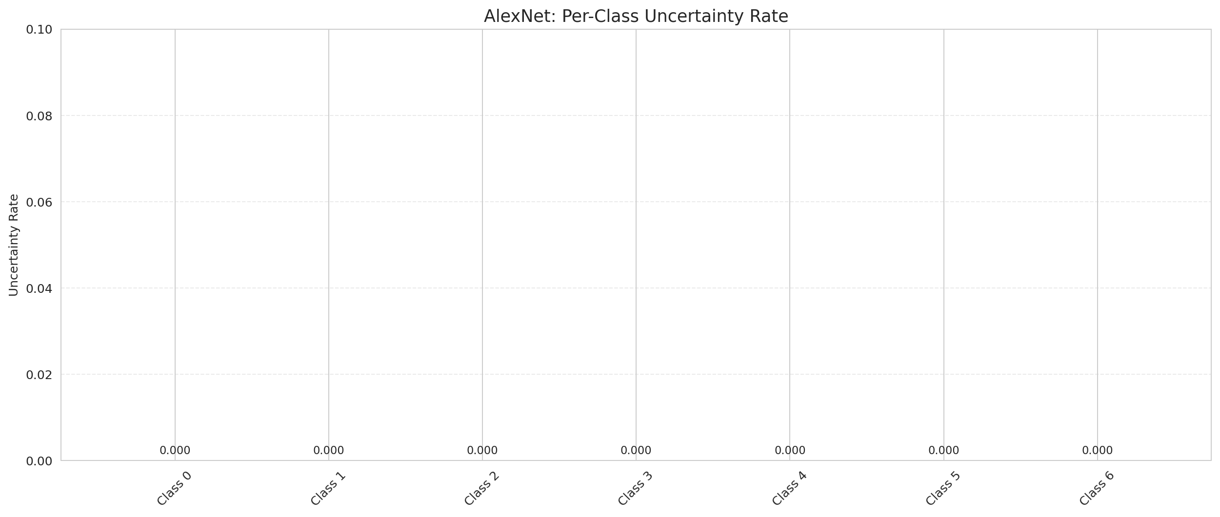

 |  |  |  |  |  |  |  |  | Per-Class Mean P-Value

DAPM_GFNet

DAPM — GFNet |  |  |  |  |  |  |  |  | Certain vs Uncertain Map
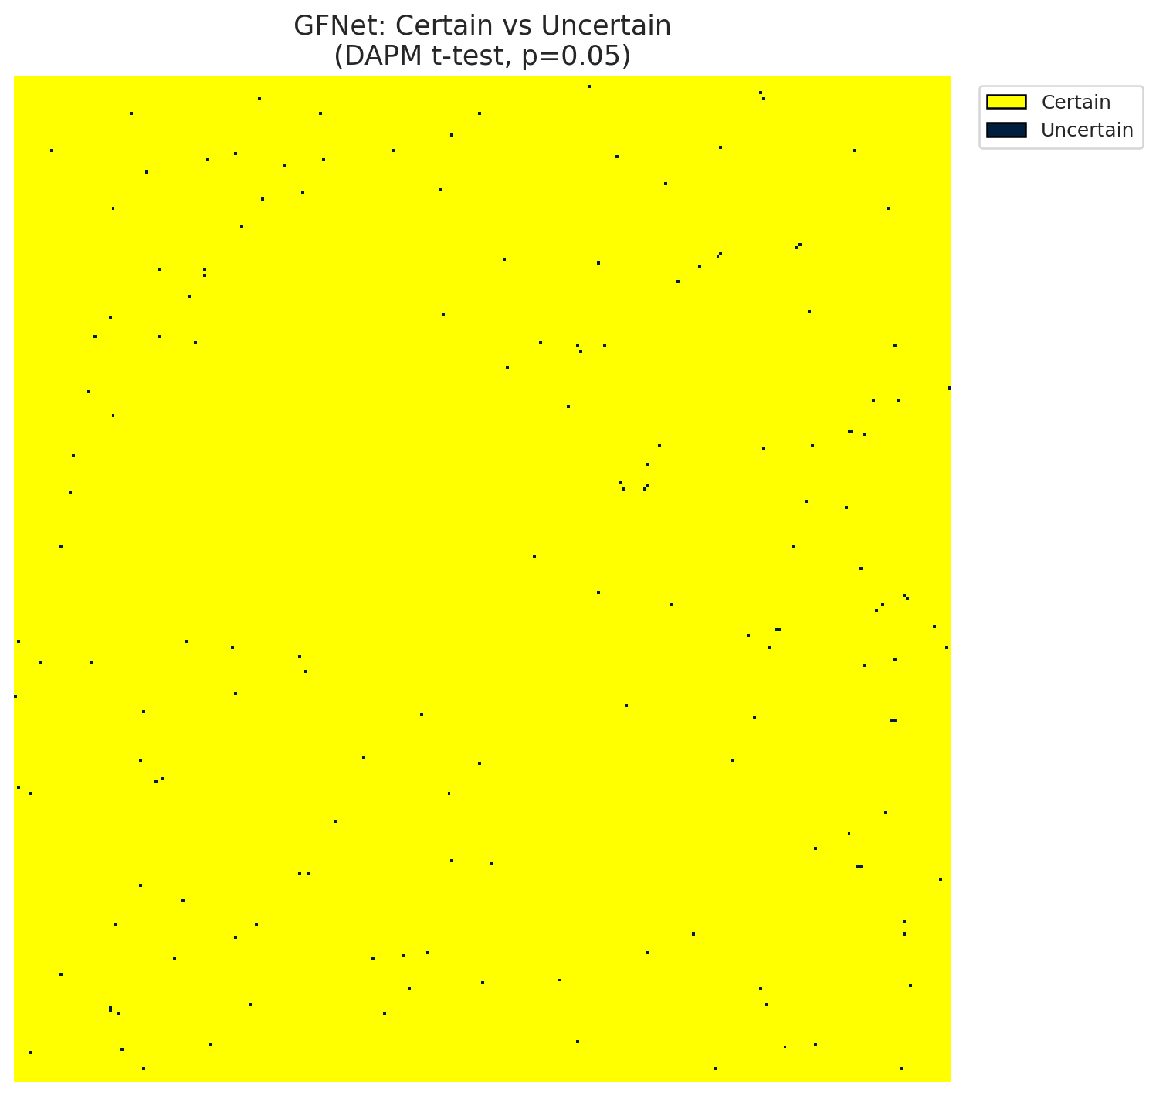
Summary
model_name | model_key | method | n_samples | p_threshold | overall_accuracy_labeled | uncertain_count | uncertain_rate | certainty_rate | mean_p_value | median_p_value | mean_top1_top2_gap | runtime_sec | mean_per_class_accuracy | mean_per_class_uncertainty
GFNet | GFNet | DAPM_TTest | 30 | 0.05 | 0.99901386391 | 157 | 0.0015496989438 | 0.99845030106 | 0.0006507022772 | 0 | 0.18349637091 | 207.46111226 | 0.99872338483 | 0

Per-Class Metrics
class_id | class_accuracy | uncertainty_rate | mean_p_value | mean_gap | support_count
0 | 1 | 0 | 8.1224864186E-41 | 0.19116967916 | 7310
1 | 0.99889898156 | 0 | 1.240763603E-09 | 0.19210356474 | 3633
2 | 0.9972037749 | 0 | 1.3075063071E-37 | 0.19961299002 | 2861
3 | 0.99680255795 | 0 | 2.3865669631E-20 | 0.20658898354 | 1251
4 | 1 | 0 | 8.6194785497E-34 | 0.18431574106 | 829
5 | 1 | 0 | 4.8442887912E-42 | 0.18633371592 | 812
6 | 0.99815837937 | 0 | 2.074503884E-26 | 0.1741733402 | 543

Pixel Counts
class_id | label | pixel_count
0 | Class 0 | 42795
1 | Class 1 | 19518
2 | Class 2 | 18627
3 | Class 3 | 6094
4 | Class 4 | 4584 |  |  |  |  |  |  | Class + Uncertain Mask
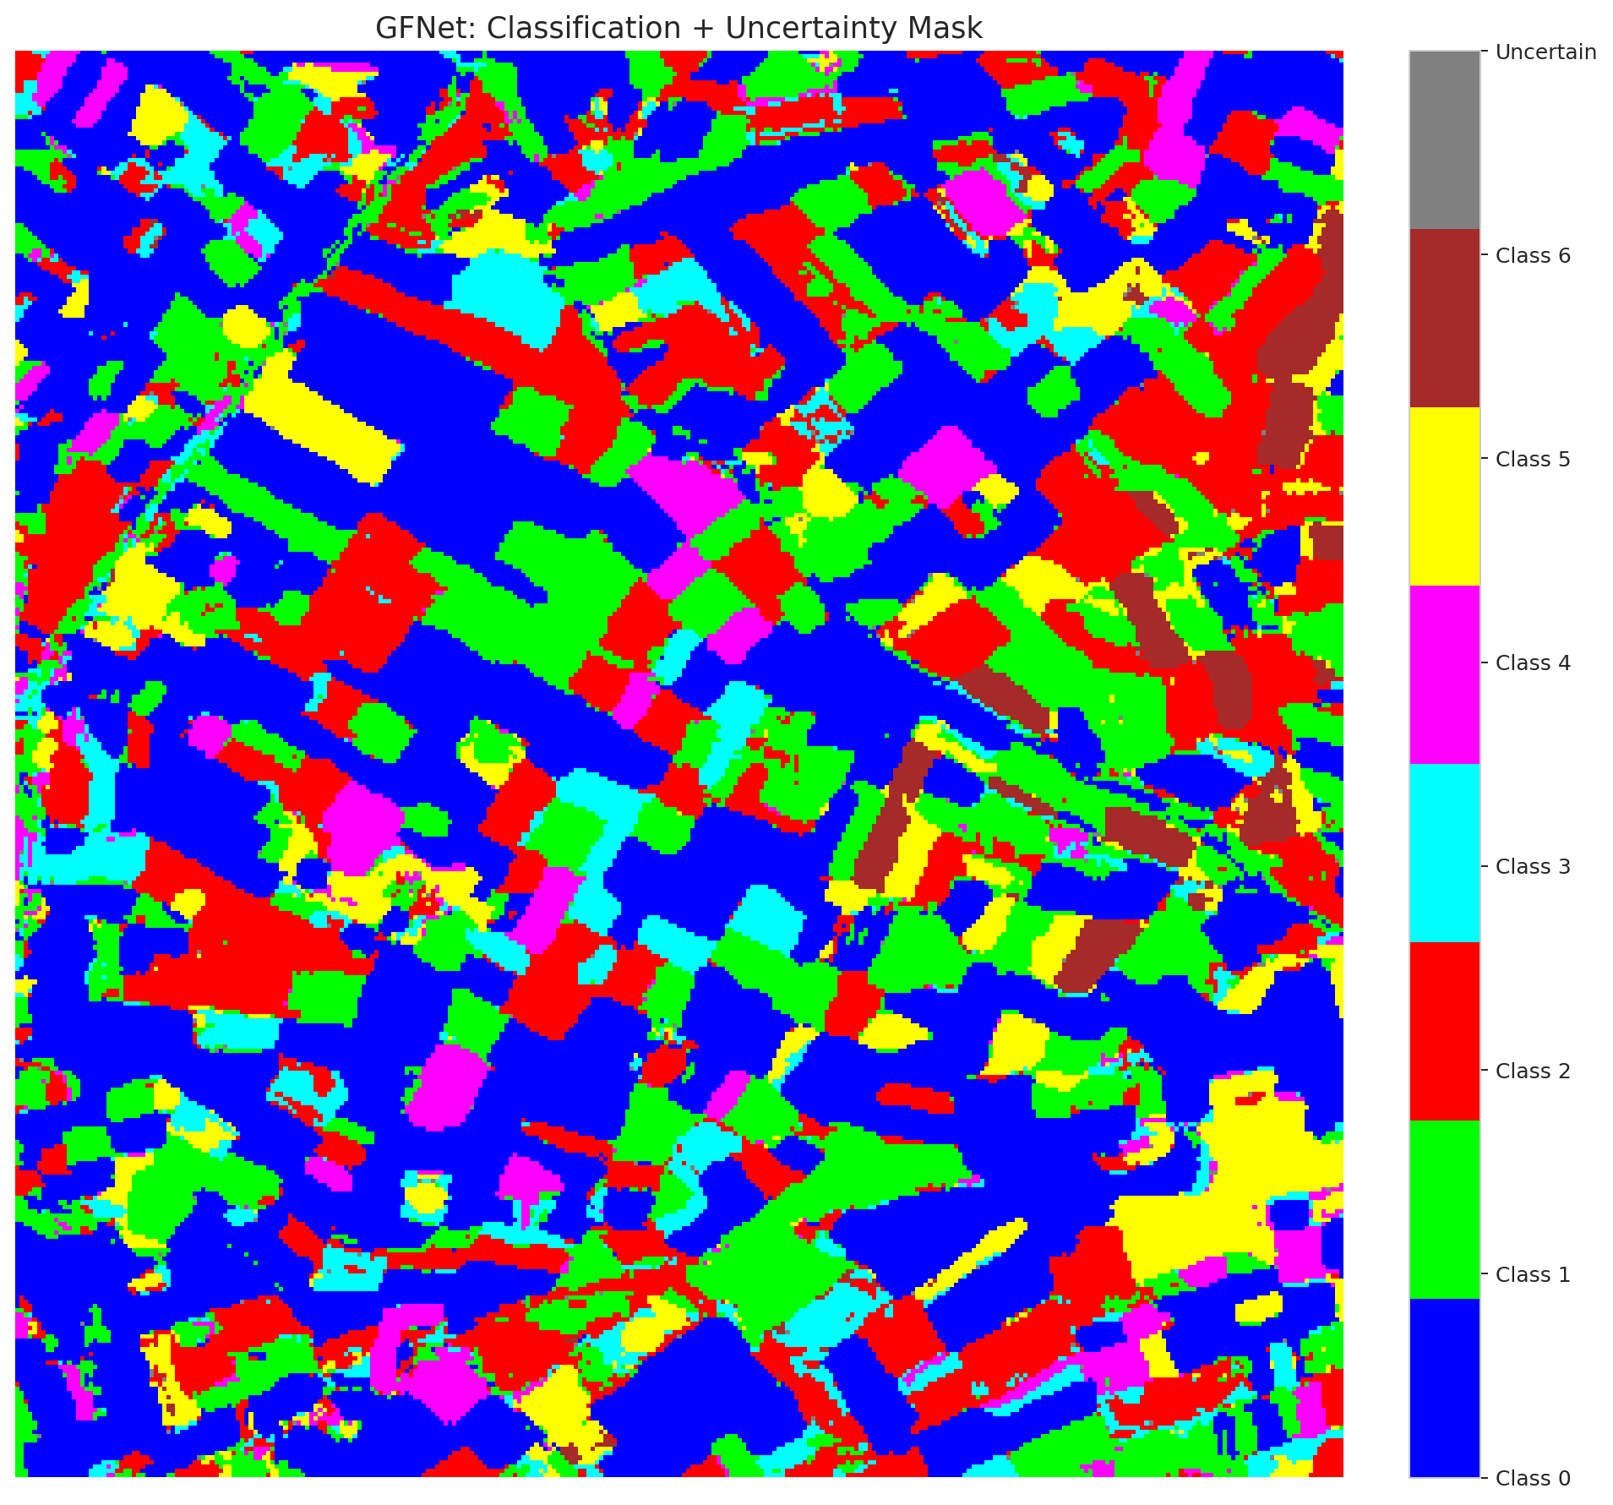
5 | Class 5 | 7265
6 | Class 6 | 2270
7 | Uncertain | 157

Parameters
n_samples | p_threshold | H | W | total_pixels | labeled_pixels
30 | 0.05 | 330 | 307 | 101310 | 17239

 |  |  |  |  |  |  |  |  | Pixel Counts
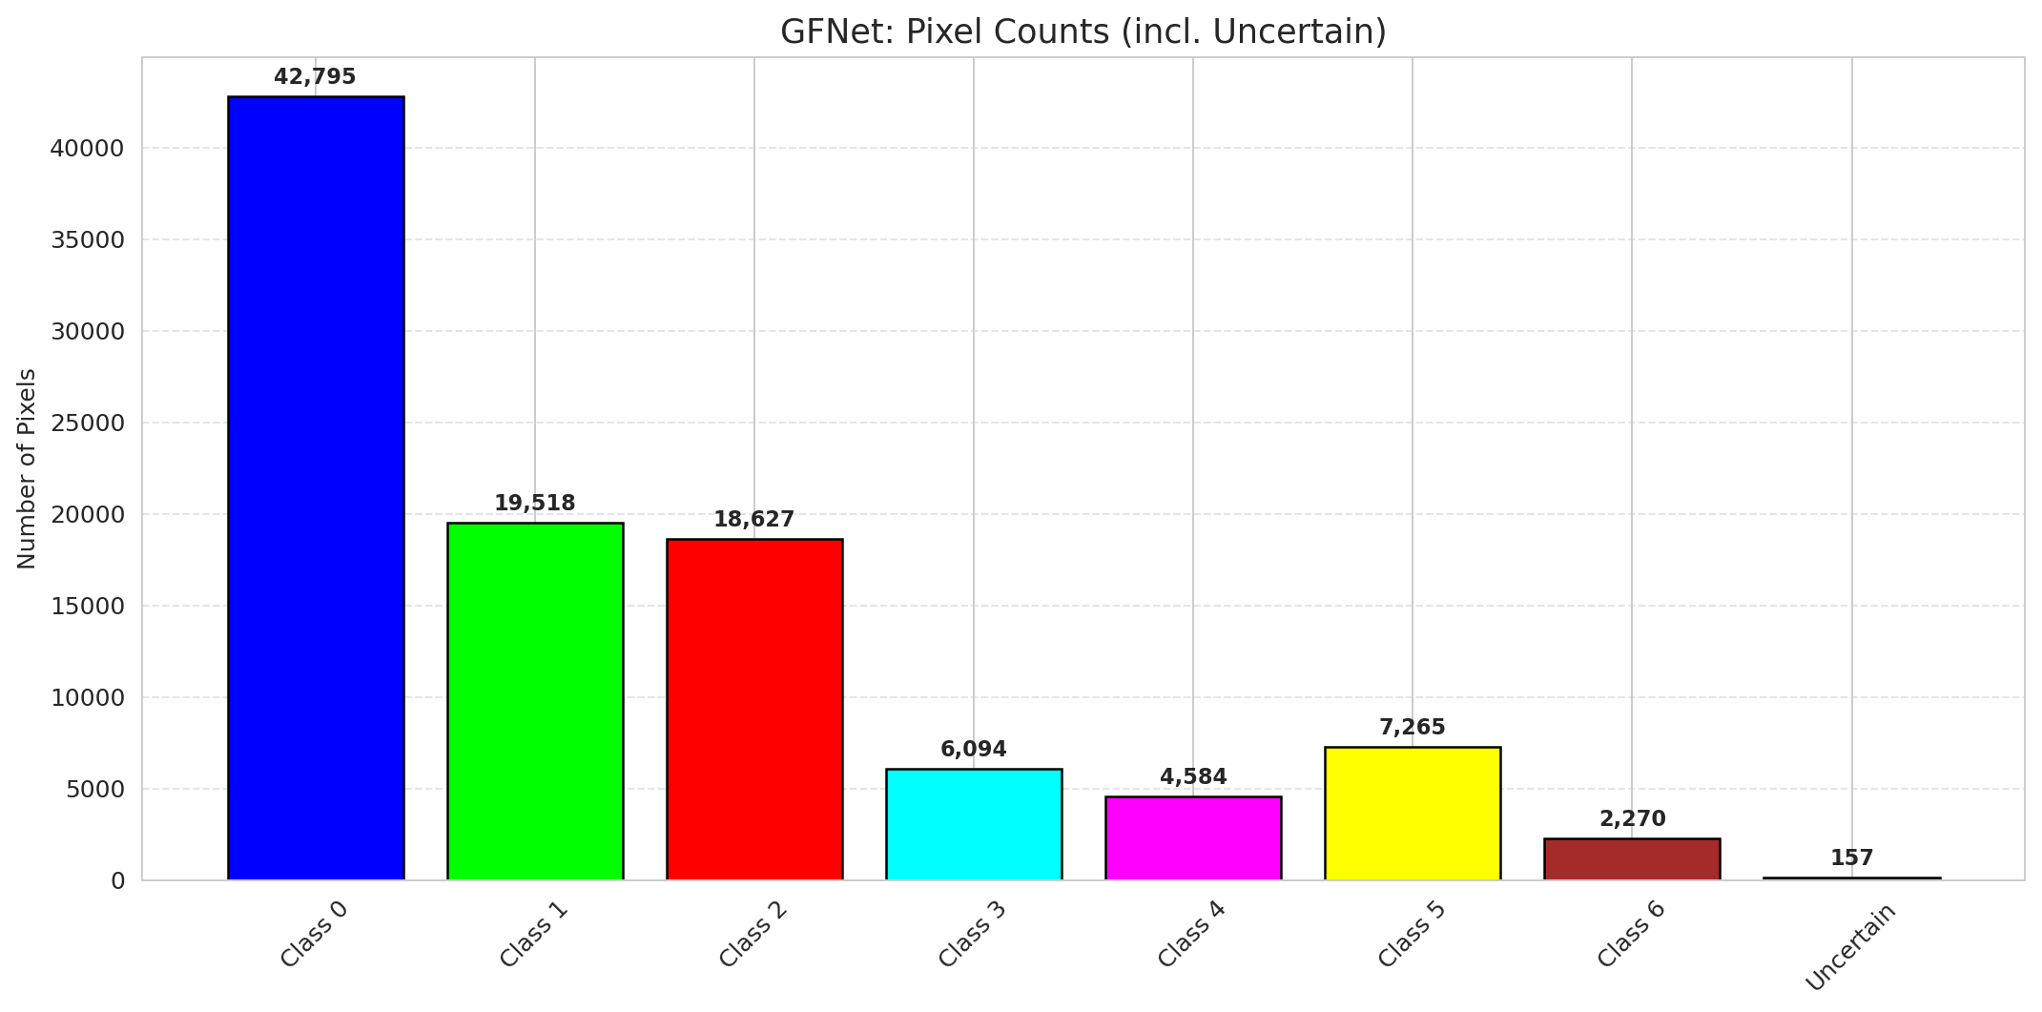

 |  |  |  |  |  |  |  |  | P-Value Distribution
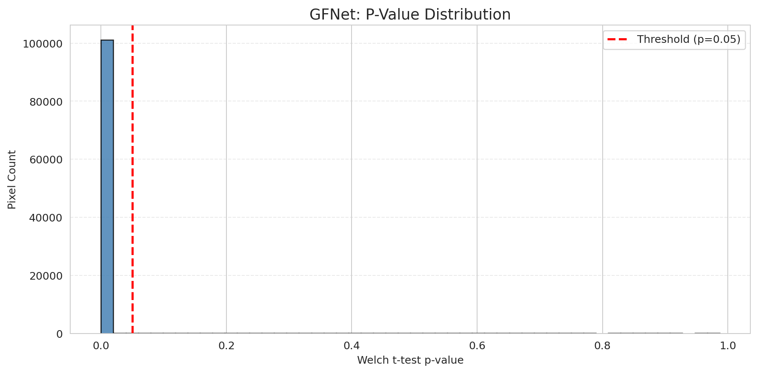

 |  |  |  |  |  |  |  |  | Top1-Top2 Gap Distribution
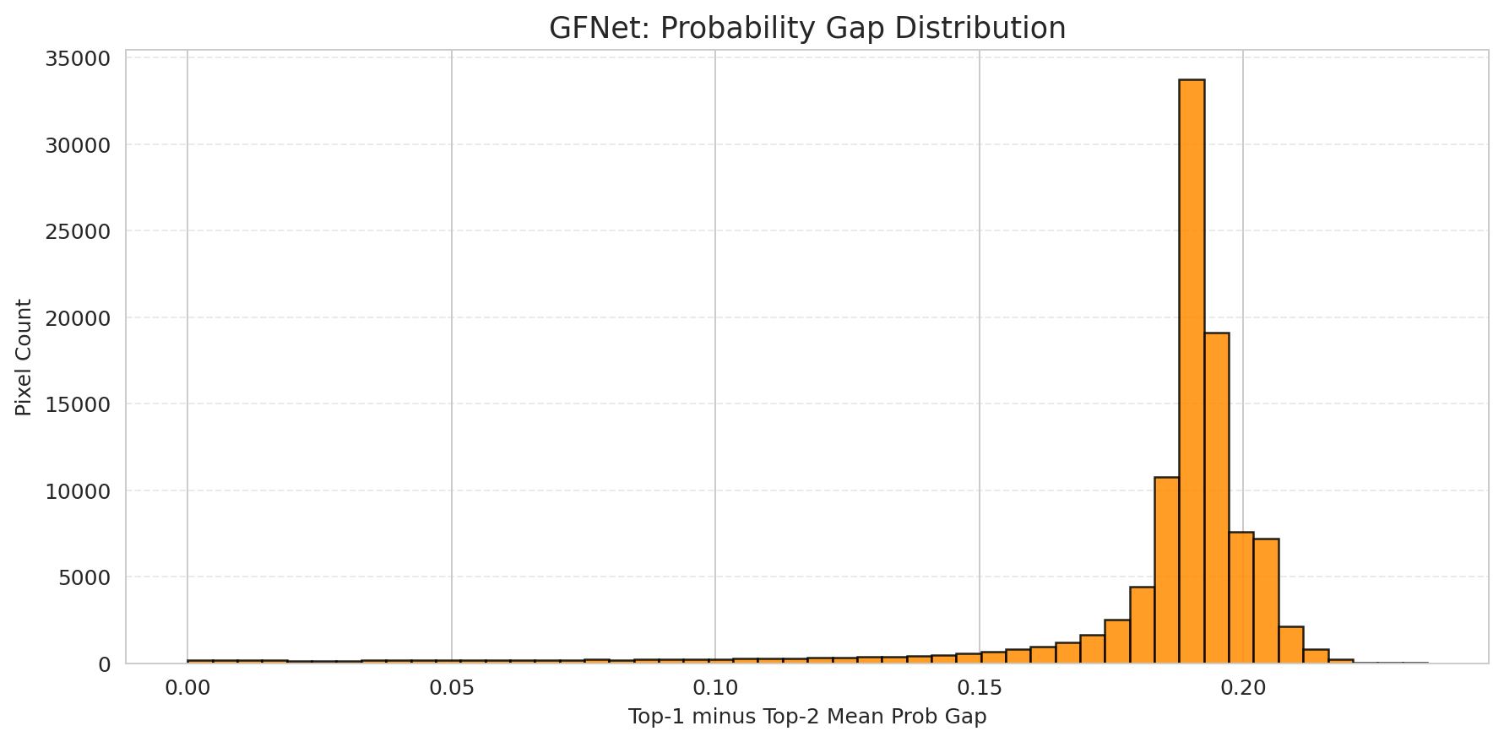

 |  |  |  |  |  |  |  |  | Per-Class Accuracy
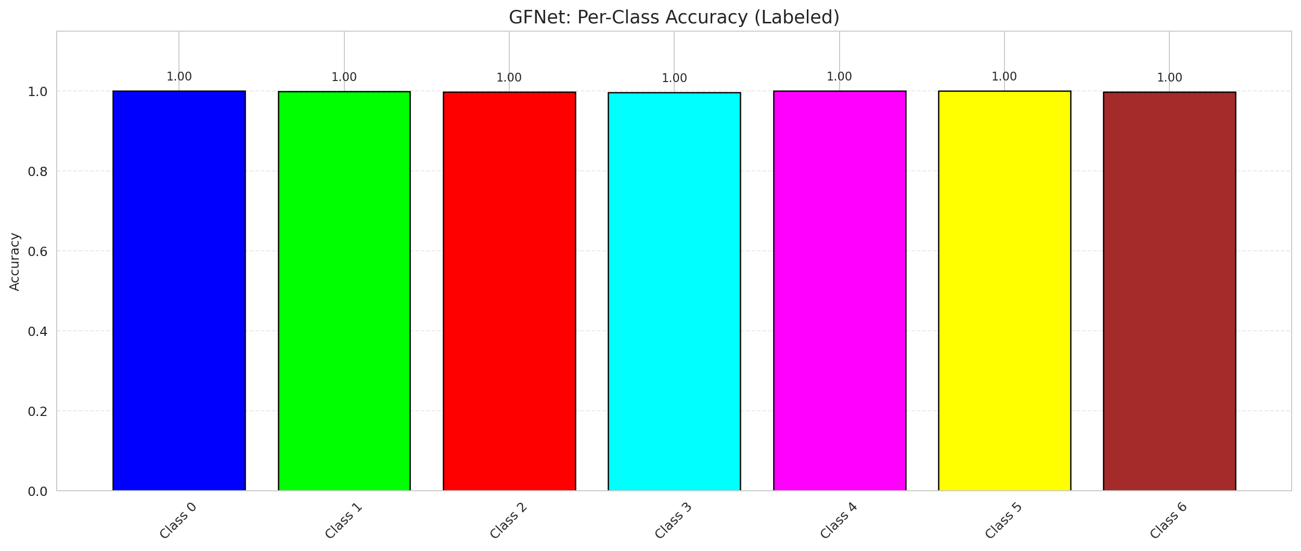

 |  |  |  |  |  |  |  |  | Per-Class Uncertainty Rate
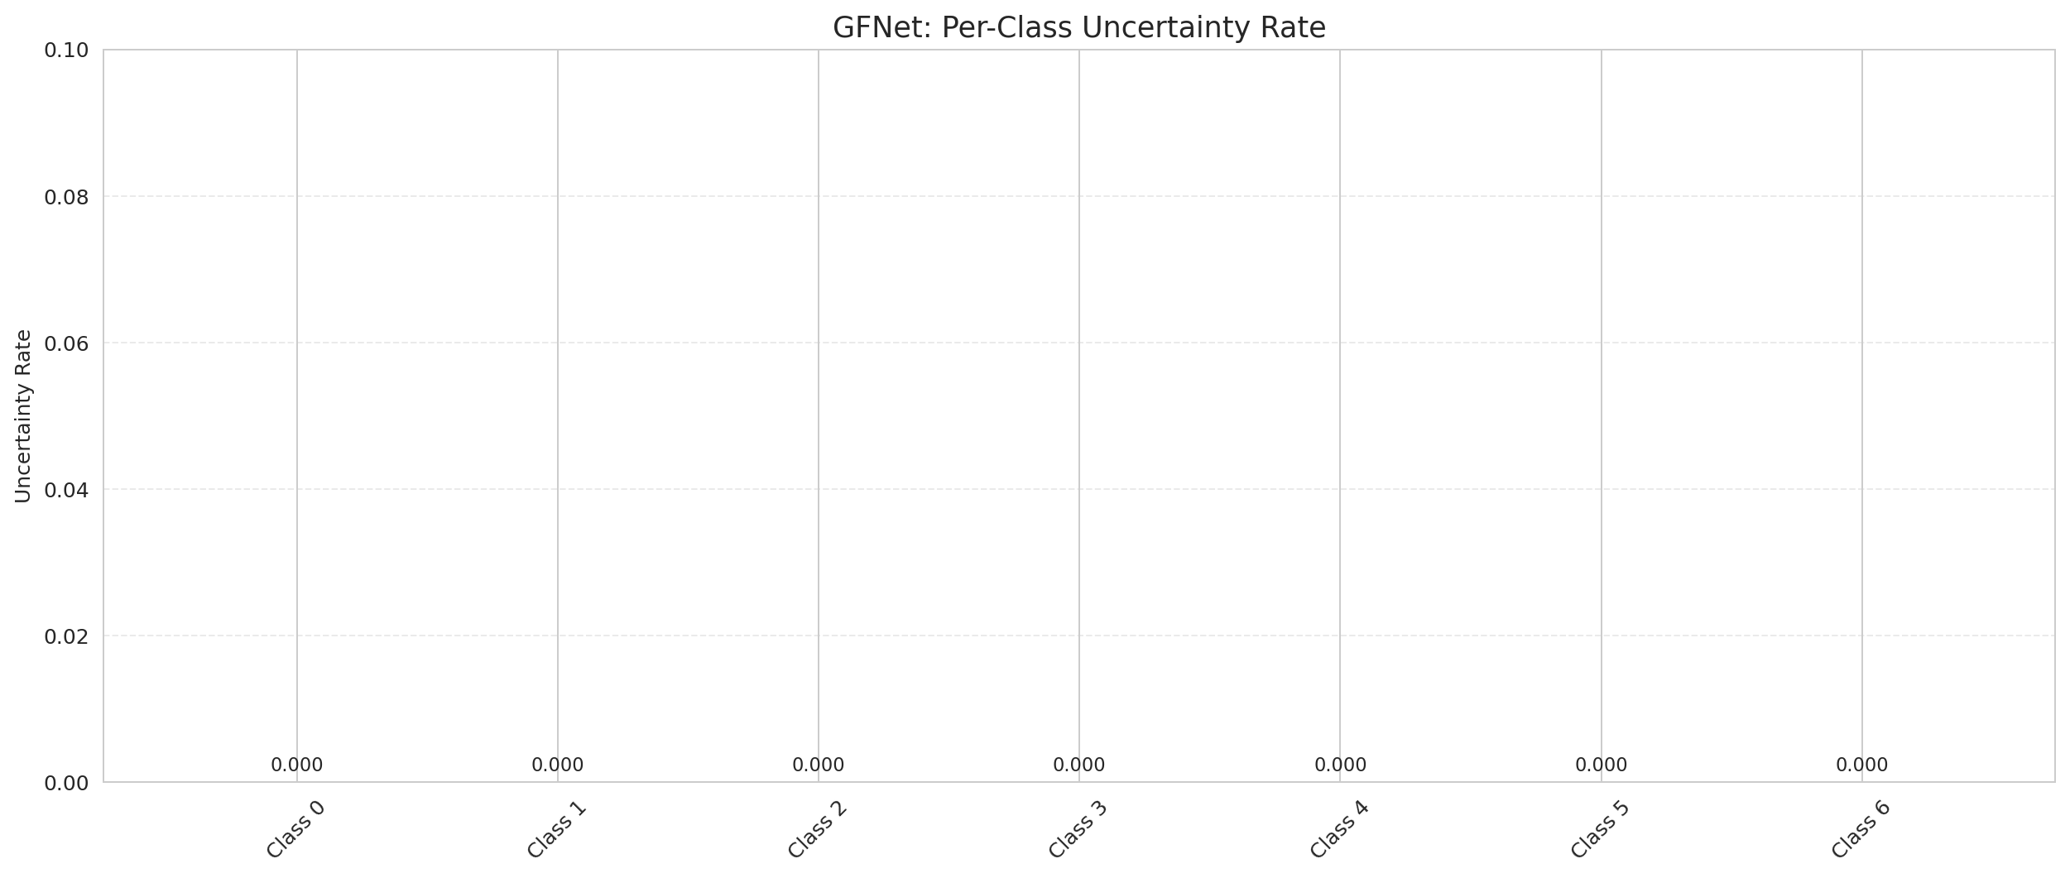

 |  |  |  |  |  |  |  |  | Per-Class Mean P-Value

DAPM_ViT
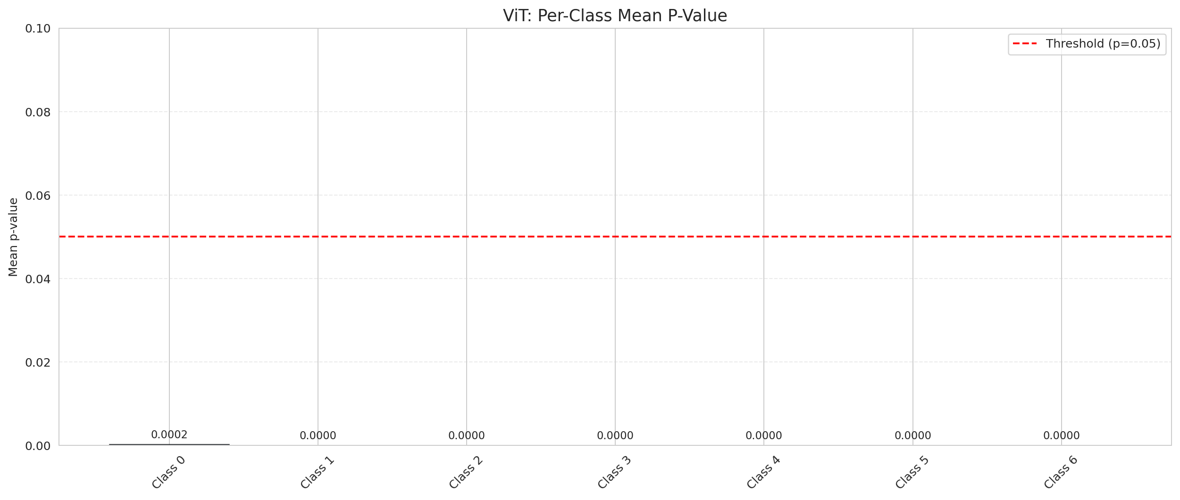
DAPM — ViT |  |  |  |  |  |  |  |  | Certain vs Uncertain Map
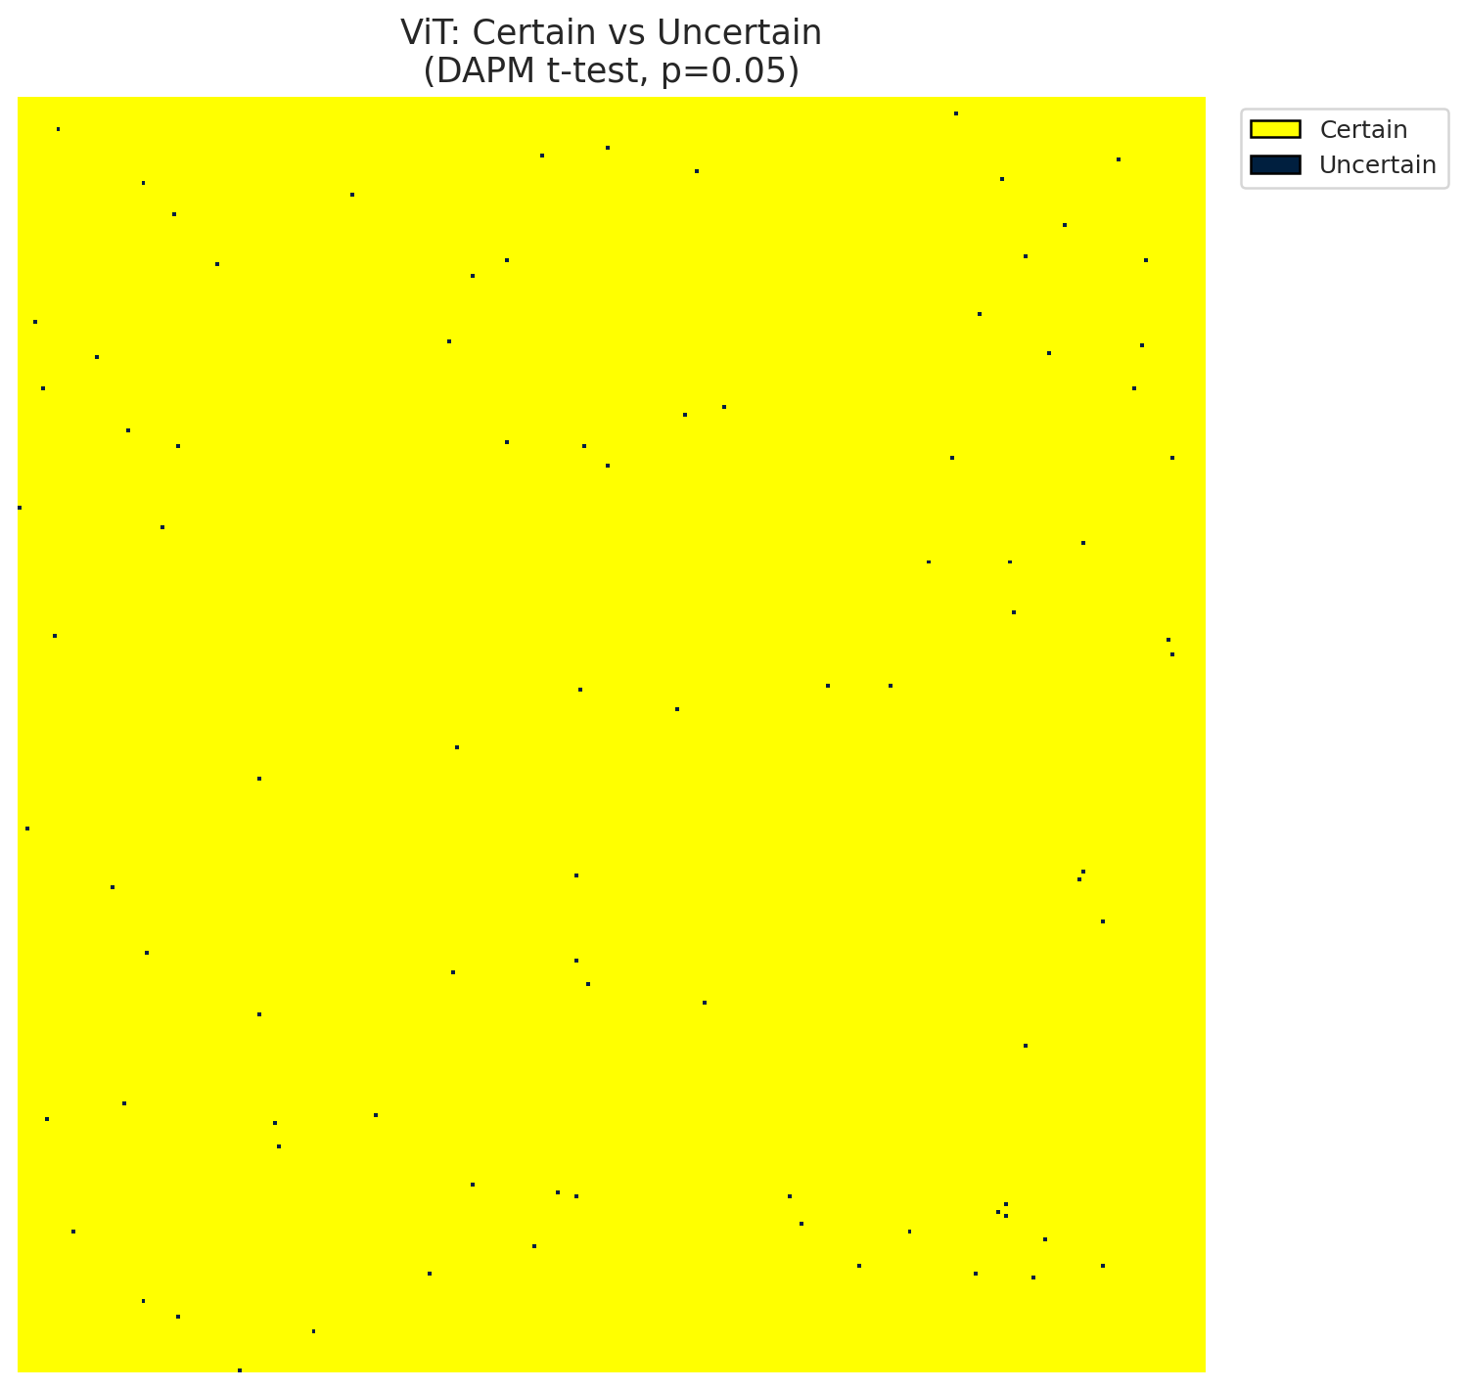
Summary
model_name | model_key | method | n_samples | p_threshold | overall_accuracy_labeled | uncertain_count | uncertain_rate | certainty_rate | mean_p_value | median_p_value | mean_top1_top2_gap | runtime_sec | mean_per_class_accuracy | mean_per_class_uncertainty
ViT | ViT_UNet | DAPM_TTest | 30 | 0.05 | 0.99785370381 | 87 | 0.00085875037015 | 0.99914124963 | 0.00036550158984 | 1.4012984643E-45 | 0.18643030524 | 218.05425024 | 0.99716732453 | 3.9085401603E-05

Per-Class Metrics
class_id | class_accuracy | uncertainty_rate | mean_p_value | mean_gap | support_count
0 | 0.99945280438 | 0.00027359781122 | 0.00019269400218 | 0.19139502943 | 7310
1 | 0.99752270851 | 0 | 4.2655841526E-07 | 0.18893109262 | 3633
2 | 0.99615519049 | 0 | 1.4529483079E-37 | 0.1947132796 | 2861
3 | 0.99440447642 | 0 | 6.2507226477E-19 | 0.20367744565 | 1251
4 | 0.99879372738 | 0 | 9.3285192071E-11 | 0.19120624661 | 829
5 | 0.99384236453 | 0 | 2.15618681E-27 | 0.18465900421 | 812
6 | 1 | 0 | 7.5840290759E-39 | 0.19694004953 | 543

Pixel Counts
class_id | label | pixel_count
0 | Class 0 | 41647
1 | Class 1 | 19551
2 | Class 2 | 19015
3 | Class 3 | 7685
4 | Class 4 | 4006 |  |  |  |  |  |  | Class + Uncertain Mask
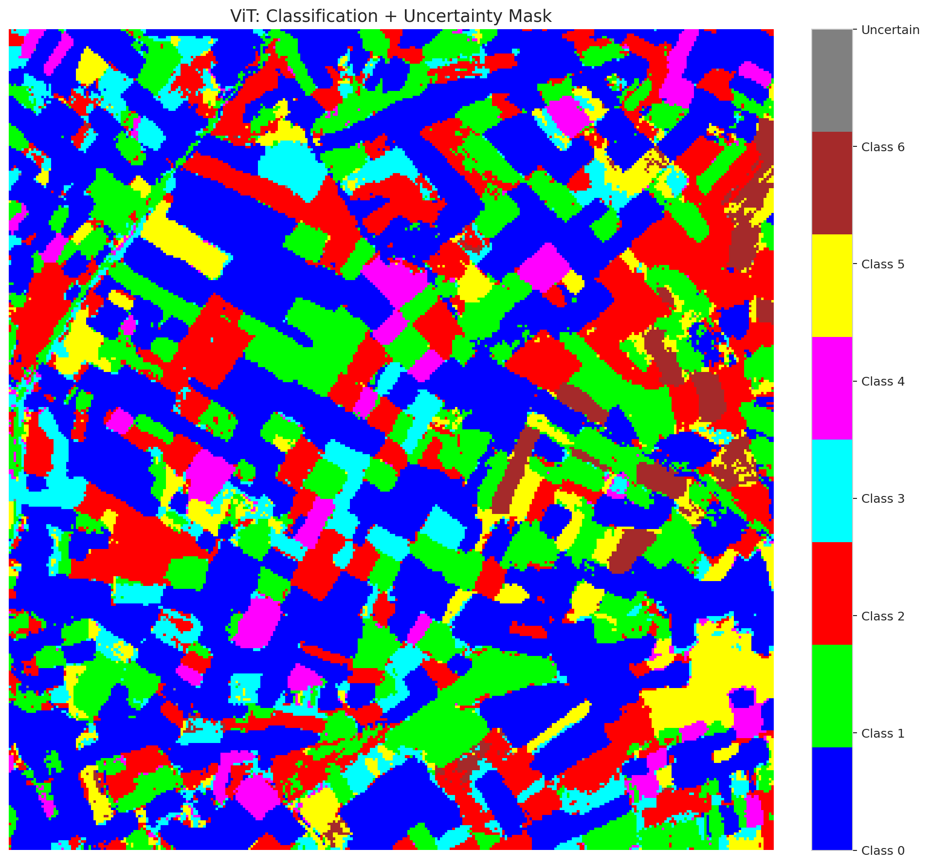
5 | Class 5 | 6837
6 | Class 6 | 2482
7 | Uncertain | 87

Parameters
n_samples | p_threshold | H | W | total_pixels | labeled_pixels
30 | 0.05 | 330 | 307 | 101310 | 17239

 |  |  |  |  |  |  |  |  | Pixel Counts


 |  |  |  |  |  |  |  |  | P-Value Distribution
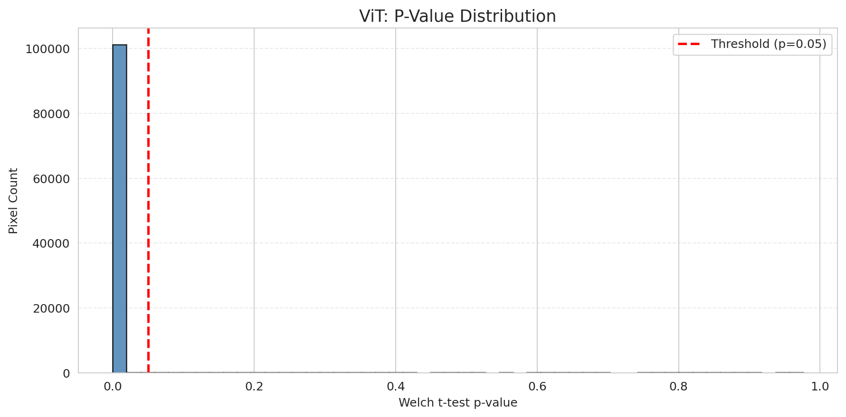

 |  |  |  |  |  |  |  |  | Top1-Top2 Gap Distribution
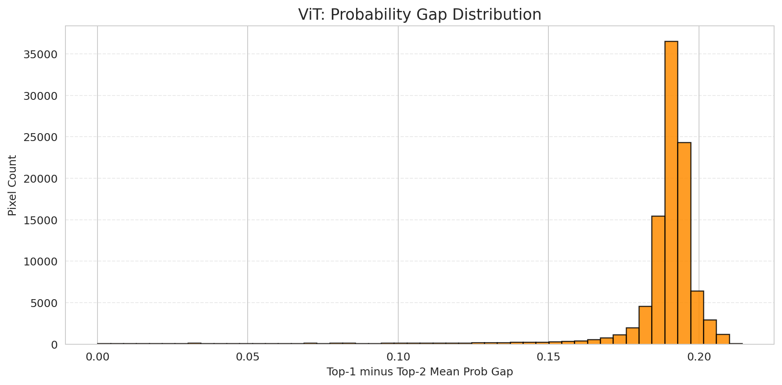

 |  |  |  |  |  |  |  |  | Per-Class Accuracy
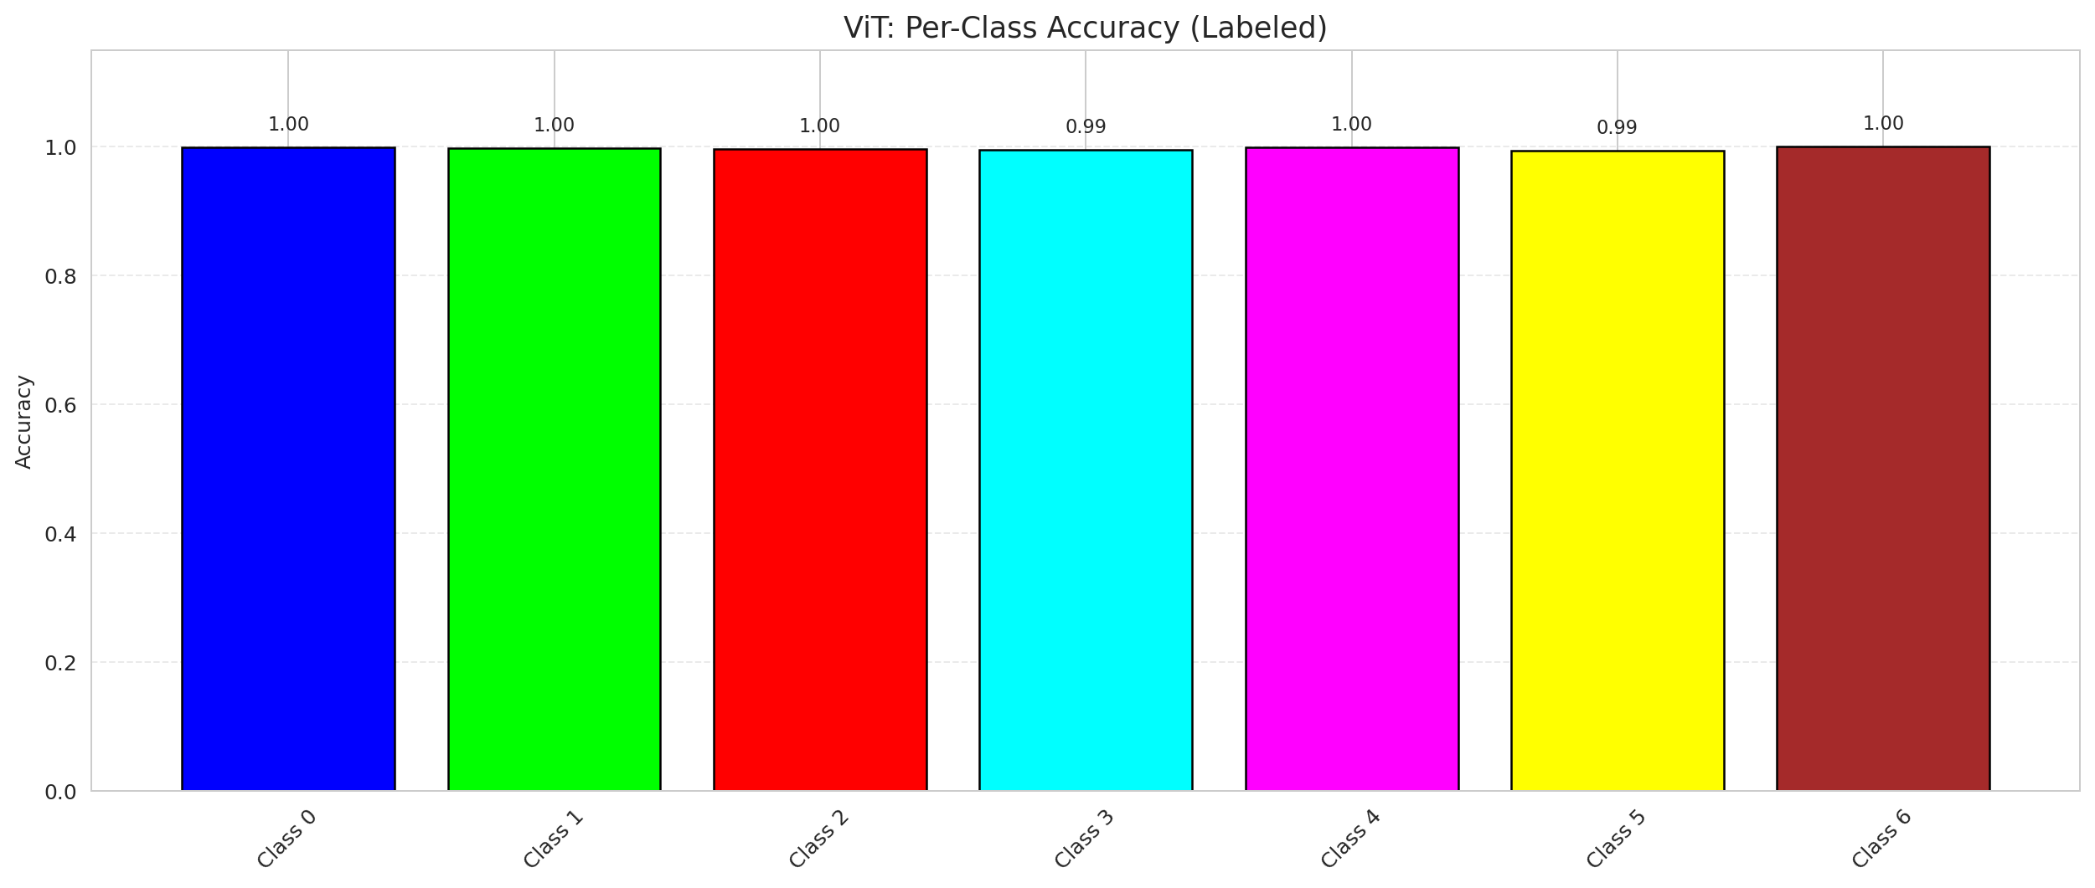

 |  |  |  |  |  |  |  |  | Per-Class Uncertainty Rate
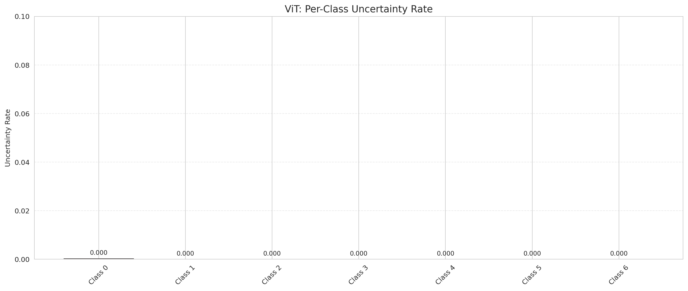

 |  |  |  |  |  |  |  |  | Per-Class Mean P-Value

Compare_DAPM
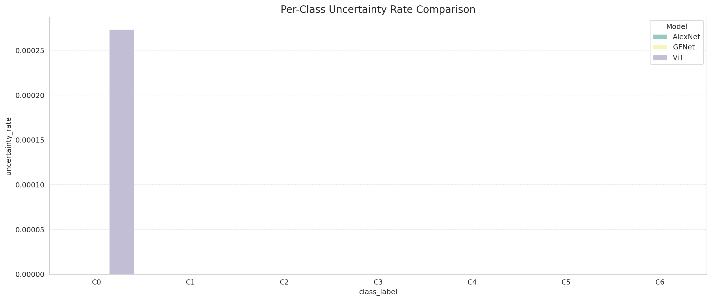
DAPM Uncertainty: 3-Model Comparison

model_name | model_key | method | n_samples | p_threshold | overall_accuracy_labeled | uncertain_count | uncertain_rate | certainty_rate | mean_p_value | median_p_value | mean_top1_top2_gap | runtime_sec | mean_per_class_accuracy | mean_per_class_uncertainty
AlexNet | AlexNet_CNN | DAPM_TTest | 30 | 0.05 | 0.99918788793 | 255 | 0.002517026947 | 0.99748297305 | 0.0010730797658 | 0 | 0.17398877442 | 220.67010951 | 0.99918628929 | 0
GFNet | GFNet | DAPM_TTest | 30 | 0.05 | 0.99901386391 | 157 | 0.0015496989438 | 0.99845030106 | 0.0006507022772 | 0 | 0.18349637091 | 207.46111226 | 0.99872338483 | 0
ViT | ViT_UNet | DAPM_TTest | 30 | 0.05 | 0.99785370381 | 87 | 0.00085875037015 | 0.99914124963 | 0.00036550158984 | 1.4012984643E-45 | 0.18643030524 | 218.05425024 | 0.99716732453 | 3.9085401603E-05

Metrics Comparison

Per-Class Accuracy Comparison
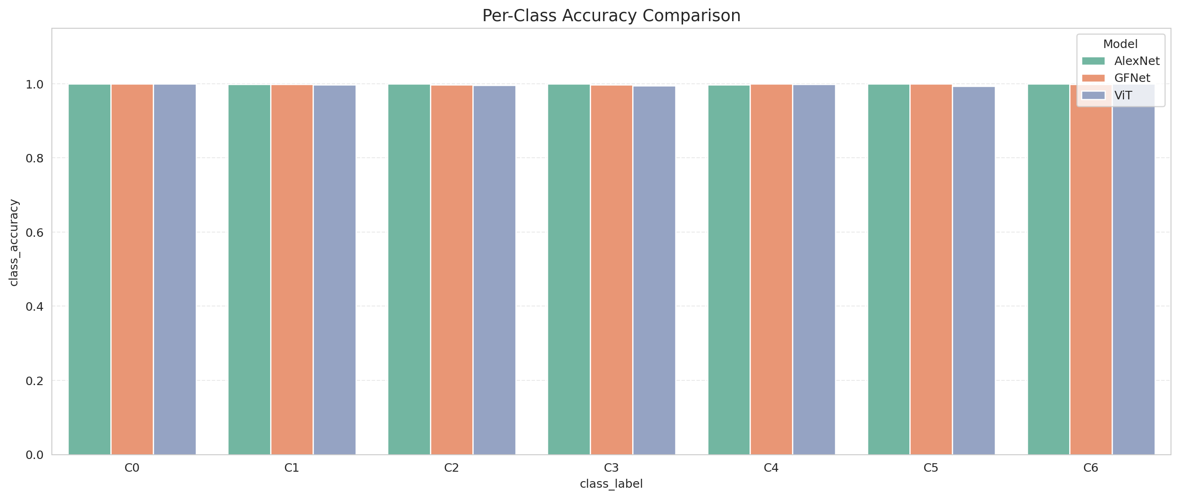

Per-Class Uncertainty Comparison

