AlexNet_CN_RAPS
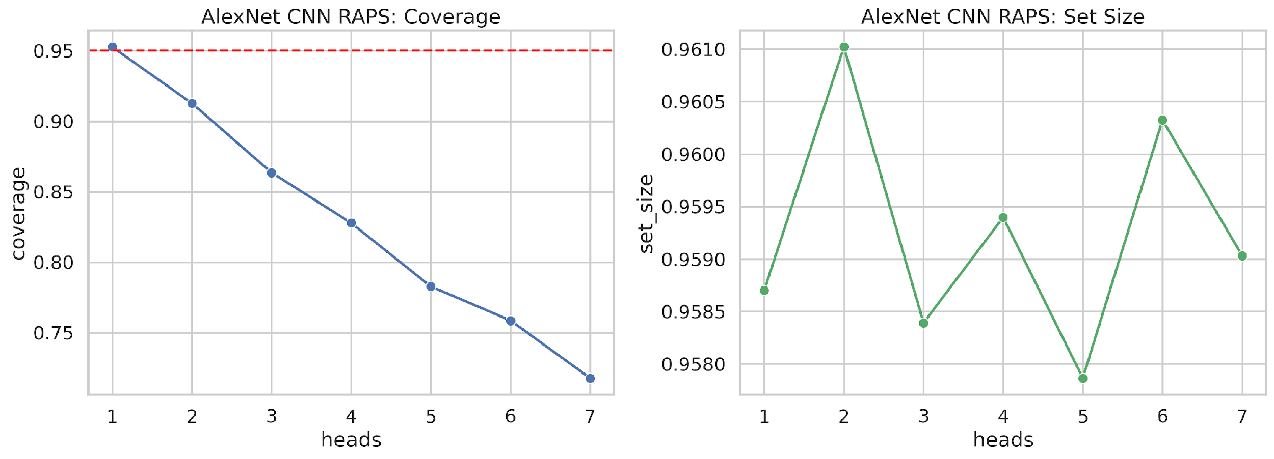
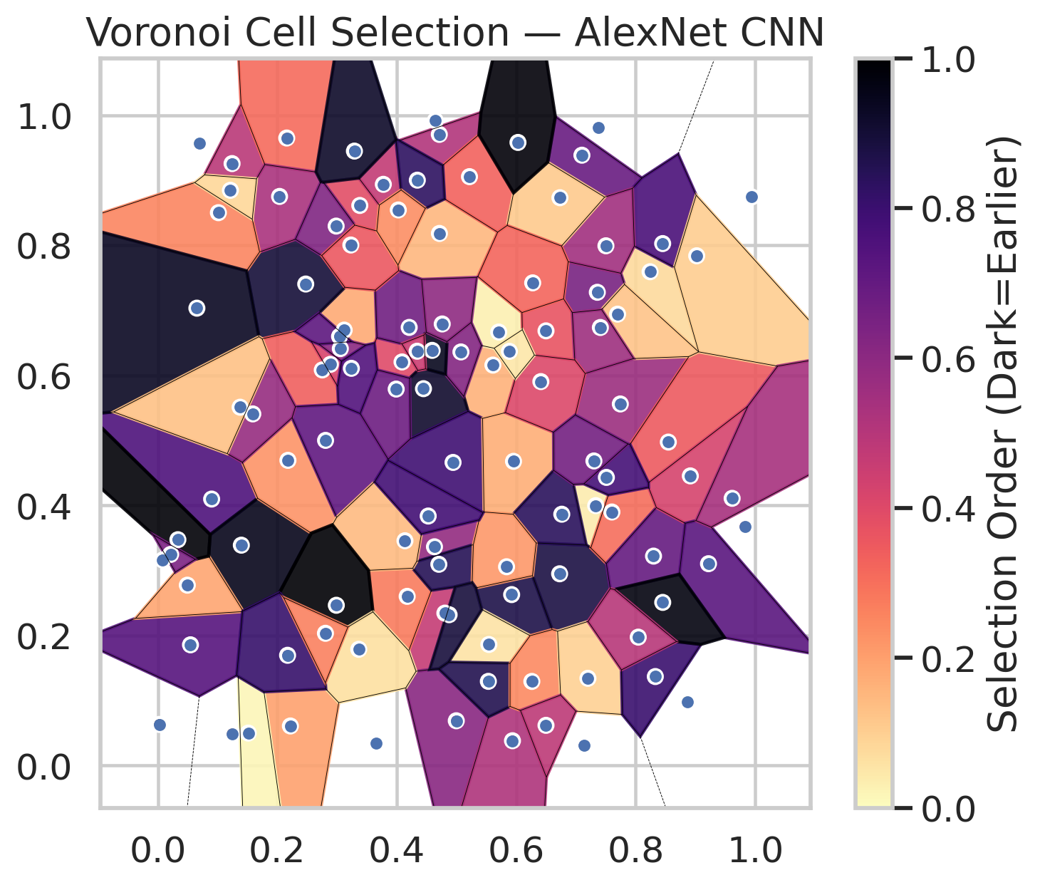
model_key | AlexNet_CNN_MultiHead
model_name | AlexNet CNN
scoring_method | RAPS
empirical_coverage | 0.71786542923
avg_set_size | 0.95903215114
scene_coverage | 0.21921418304
scene_avg_set_size | 1.039743737
uncertain_pixel_rate | 0.11629651565
model_path | /content/drive/My Drive/Classification/multicp/models/AlexNet_CNN_MultiHead_best.keras

heads | coverage | set_size |  |  | Class | Coverage | Class | Pixels
1 | 0.95266821346 | 0.95870069606 |  |  | Class 0 | 0.71881838074 | Class 0 | 39396
2 | 0.91276102088 | 0.96102088167 |  |  | Class 1 | 0.72246696035 | Class 1 | 16331
3 | 0.86357308585 | 0.95839133797 |  |  | Class 2 | 0.70391061453 | Class 2 | 16948
4 | 0.82784222738 | 0.95939675174 |  |  | Class 3 | 0.71153846154 | Class 3 | 5458
5 | 0.78283062645 | 0.95786542923 |  |  | Class 4 | 0.75961538462 | Class 4 | 4171
6 | 0.75870069606 | 0.96032482599 |  |  | Class 5 | 0.71287128713 | Class 5 | 5777
7 | 0.71786542923 | 0.95903215114 |  |  | Class 6 | 0.70588235294 | Class 6 | 1447
 |  |  |  |  |  |  | Uncertain | 11782

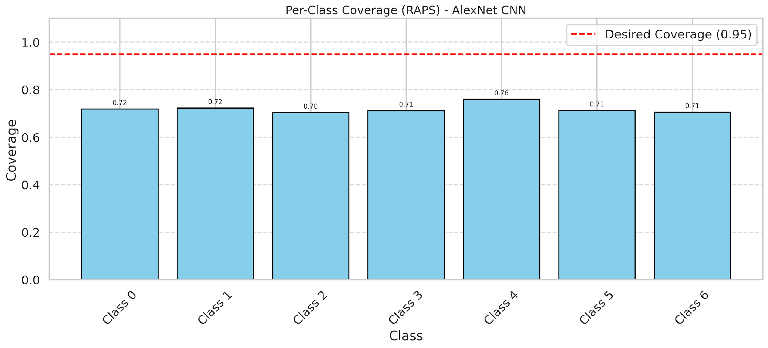

Cell Index | s1 | s2 | Selection_Order | Norm_Order(0-1) | Target
0 | 0.312 | 0.6695 | 19 | 0.17924528302 | 0
1 | 0.824 | 0.7592 | 8 | 0.075471698113 | 0
2 | 0.733 | 0.3996 | 4 | 0.037735849057 | 0
3 | 0.7099 | 0.9384 | 73 | 0.68867924528 | 2
4 | 0.4712 | 0.9704 | 54 | 0.50943396226 | 6
5 | 0.3656 | 0.0342 | 47 | 0.44339622642 | 2
6 | 0.4805 | 0.2343 | 49 | 0.46226415094 | 0
7 | 0.0901 | 0.4097 | 80 | 0.75471698113 | 0
8 | 0.8451 | 0.8025 | 81 | 0.7641509434 | 0
9 | 0.2219 | 0.0608 | 21 | 0.19811320755 | 1
10 | 0.4174 | 0.2601 | 29 | 0.27358490566 | 3
11 | 0.4088 | 0.6205 | 42 | 0.39622641509 | 0
12 | 0.5923 | 0.2628 | 92 | 0.8679245283 | 4
13 | 0.2476 | 0.7403 | 95 | 0.89622641509 | 0
14 | 0.1398 | 0.3388 | 101 | 0.95283018868 | 5
15 | 0.7357 | 0.7276 | 69 | 0.65094339623 | 0
16 | 0.4714 | 0.8181 | 16 | 0.15094339623 | 1
17 | 0.6726 | 0.2948 | 93 | 0.87735849057 | 0
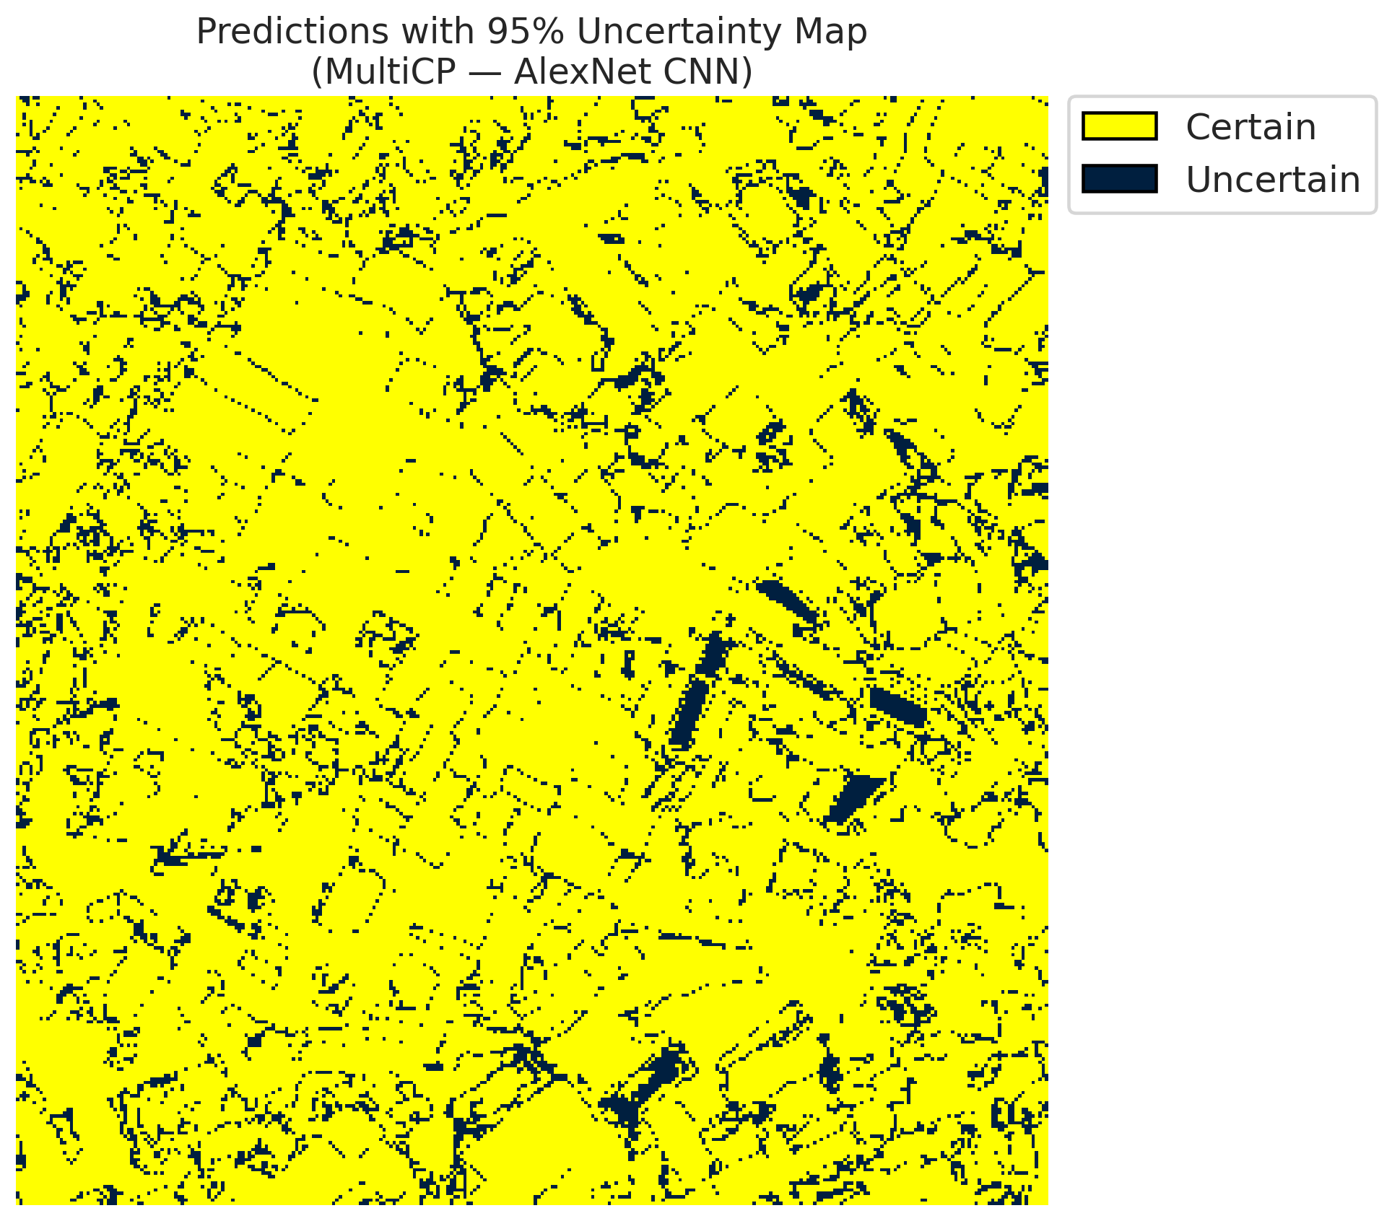
18 | 0.8864 | 0.0983 | 0 | 0 | 2
19 | 0.9942 | 0.8742 | 30 | 0.28301886792 | 3
20 | 0.2178 | 0.4692 | 24 | 0.22641509434 | 0
21 | 0.7742 | 0.5559 | 60 | 0.56603773585 | 4
22 | 0.1243 | 0.9255 | 52 | 0.49056603774 | 0
23 | 0.4996 | 0.0688 | 65 | 0.61320754717 | 0
24 | 0.8546 | 0.4973 | 37 | 0.34905660377 | 1
25 | 0.4208 | 0.6736 | 71 | 0.66981132075 | 2
26 | 0.4631 | 0.3363 | 62 | 0.58490566038 | 4
27 | 0.3381 | 0.8611 | 41 | 0.38679245283 | 1
28 | 0.5542 | 0.1861 | 6 | 0.056603773585 | 0
29 | 0.7601 | 0.3898 | 32 | 0.30188679245 | 3
30 | 0.5609 | 0.6157 | 17 | 0.16037735849 | 0
31 | 0.2158 | 0.9648 | 33 | 0.31132075472 | 1
32 | 0.5217 | 0.9054 | 35 | 0.33018867925 | 6
33 | 0.5707 | 0.6665 | 3 | 0.028301886792 | 0
34 | 0.2038 | 0.875 | 56 | 0.52830188679 | 5
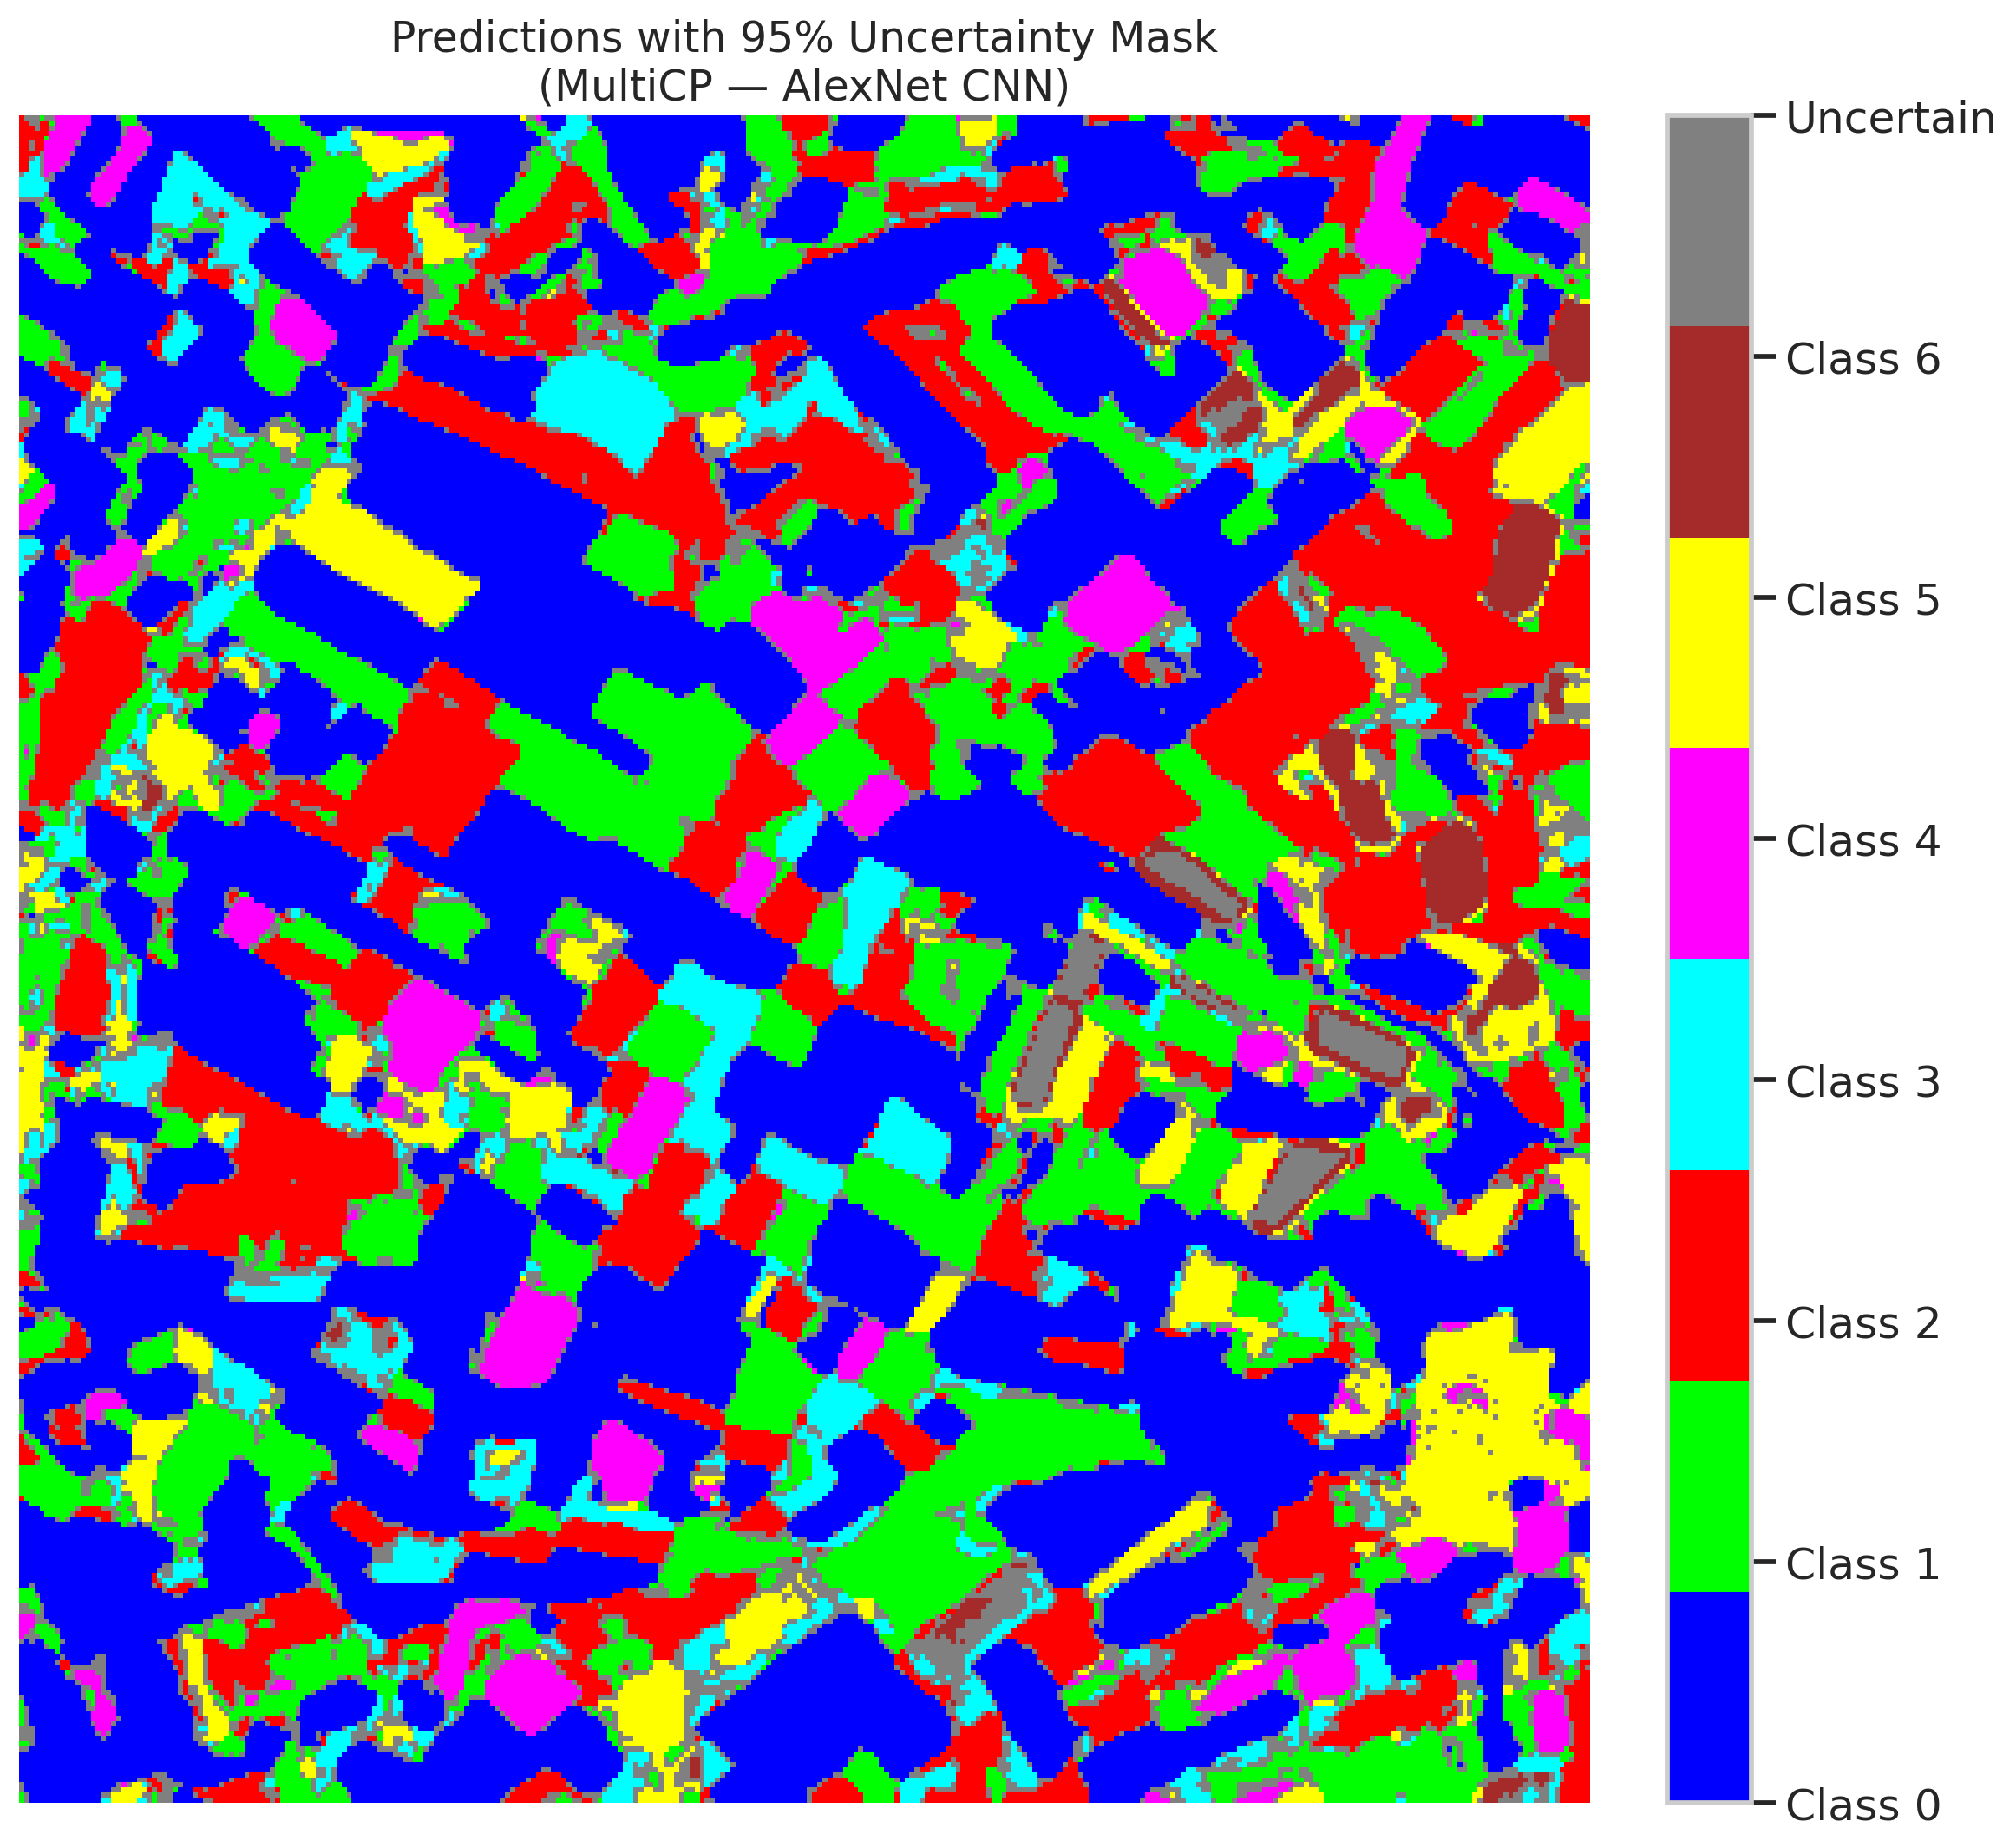
35 | 0.5937 | 0.0381 | 55 | 0.51886792453 | 2
36 | 0.4704 | 0.3094 | 90 | 0.84905660377 | 5
37 | 0.2985 | 0.8294 | 67 | 0.6320754717 | 2
38 | 0.2753 | 0.6082 | 36 | 0.33962264151 | 4
39 | 0.2808 | 0.4999 | 75 | 0.70754716981 | 1
40 | 0.159 | 0.5406 | 61 | 0.57547169811 | 0
41 | 0.2888 | 0.6168 | 44 | 0.41509433962 | 0
42 | 0.7375 | 0.9808 | 46 | 0.43396226415 | 0
43 | 0.4447 | 0.5794 | 97 | 0.91509433962 | 0
44 | 0.8298 | 0.322 | 74 | 0.69811320755 | 0
45 | 0.1514 | 0.0499 | 2 | 0.018867924528 | 0
46 | 0.9021 | 0.7837 | 11 | 0.10377358491 | 0
47 | 0.7696 | 0.694 | 13 | 0.12264150943 | 1
48 | 0.3055 | 0.641 | 64 | 0.60377358491 | 0
49 | 0.7501 | 0.7991 | 58 | 0.54716981132 | 2
50 | 0.4942 | 0.466 | 84 | 0.79245283019 | 0
51 | 0.5533 | 0.1294 | 91 | 0.85849056604 | 0
52 | 0.6261 | 0.1293 | 26 | 0.24528301887 | 6
53 | 0.72 | 0.1341 | 10 | 0.094339622642 | 3
54 | 0.6498 | 0.6683 | 39 | 0.3679245283 | 0
55 | 0.1014 | 0.85 | 27 | 0.25471698113 | 6
56 | 0.8328 | 0.1368 | 85 | 0.80188679245 | 2
57 | 0.5954 | 0.4677 | 18 | 0.16981132075 | 2
58 | 0.3042 | 0.6598 | 76 | 0.71698113208 | 0
59 | 0.6498 | 0.0618 | 51 | 0.48113207547 | 2
60 | 0.4645 | 0.9916 | 31 | 0.29245283019 | 3
61 | 0.5074 | 0.6359 | 66 | 0.62264150943 | 2
62 | 0.3231 | 0.8003 | 38 | 0.35849056604 | 1
63 | 0.7408 | 0.6735 | 59 | 0.55660377358 | 0
64 | 0.0692 | 0.9566 | 1 | 0.0094339622642 | 1
65 | 0.399 | 0.5788 | 72 | 0.67924528302 | 0
66 | 0.0654 | 0.7032 | 99 | 0.93396226415 | 0
67 | 0.8914 | 0.4453 | 45 | 0.42452830189 | 2
68 | 0.0026 | 0.0632 | 96 | 0.90566037736 | 0
69 | 0.4137 | 0.3456 | 15 | 0.14150943396 | 0
70 | 0.0547 | 0.1856 | 78 | 0.7358490566 | 1
71 | 0.3775 | 0.8936 | 50 | 0.47169811321 | 5
72 | 0.4344 | 0.9 | 88 | 0.83018867925 | 2
73 | 0.4592 | 0.6383 | 100 | 0.94339622642 | 0
74 | 0.6731 | 0.873 | 12 | 0.11320754717 | 2
75 | 0.6275 | 0.7421 | 34 | 0.32075471698 | 5
76 | 0.2988 | 0.2464 | 106 | 1 | 1
77 | 0.3364 | 0.1787 | 7 | 0.066037735849 | 3
78 | 0.3291 | 0.9447 | 98 | 0.92452830189 | 0
79 | 0.324 | 0.6107 | 79 | 0.74528301887 | 0
80 | 0.9218 | 0.3103 | 77 | 0.72641509434 | 1
81 | 0.6412 | 0.5903 | 43 | 0.40566037736 | 1
82 | 0.4761 | 0.6789 | 63 | 0.59433962264 | 6
83 | 0.0494 | 0.2773 | 20 | 0.18867924528 | 1
84 | 0.8452 | 0.2508 | 103 | 0.97169811321 | 1
85 | 0.9614 | 0.4108 | 57 | 0.53773584906 | 2
86 | 0.0336 | 0.3472 | 105 | 0.99056603774 | 0
87 | 0.6762 | 0.3864 | 89 | 0.83962264151 | 0
88 | 0.0215 | 0.3246 | 68 | 0.64150943396 | 0
89 | 0.8042 | 0.1974 | 53 | 0.5 | 1
90 | 0.7509 | 0.443 | 82 | 0.77358490566 | 2
91 | 0.5886 | 0.6368 | 5 | 0.047169811321 | 0
92 | 0.9827 | 0.3674 | 40 | 0.37735849057 | 0
93 | 0.4026 | 0.8542 | 25 | 0.2358490566 | 4
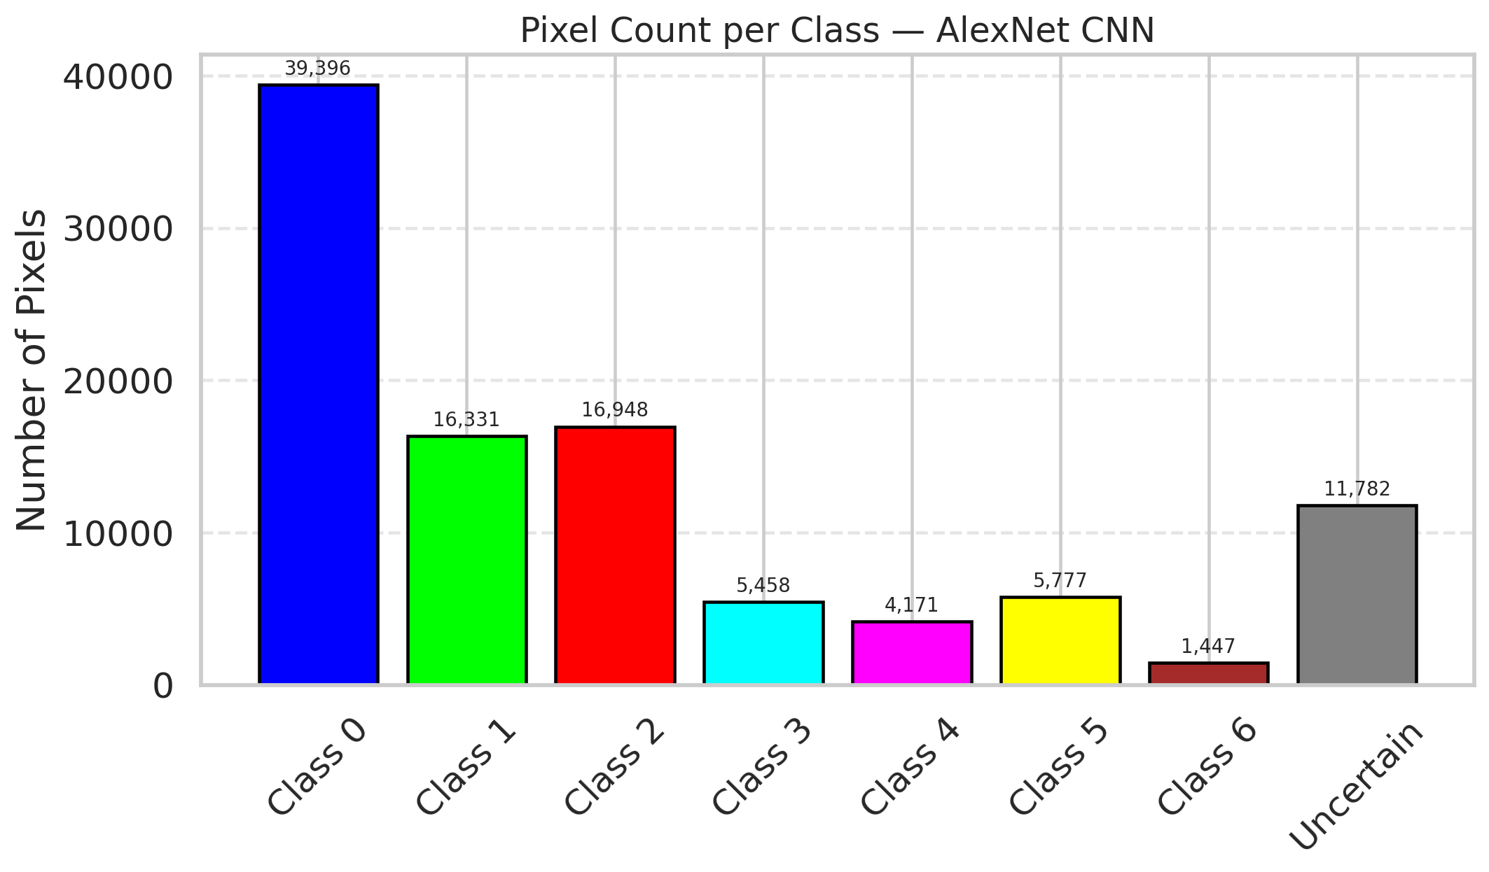
94 | 0.1243 | 0.0489 | 22 | 0.20754716981 | 1
95 | 0.7134 | 0.0309 | 87 | 0.82075471698 | 0
96 | 0.5838 | 0.3056 | 23 | 0.21698113208 | 2
97 | 0.6029 | 0.958 | 104 | 0.98113207547 | 0
98 | 0.4341 | 0.637 | 48 | 0.45283018868 | 0
99 | 0.2172 | 0.1695 | 86 | 0.81132075472 | 1
100 | 0.2806 | 0.2033 | 28 | 0.2641509434 | 3
101 | 0.73 | 0.4683 | 70 | 0.66037735849 | 3
102 | 0.0081 | 0.316 | 102 | 0.96226415094 | 6
103 | 0.1378 | 0.5509 | 14 | 0.1320754717 | 0
104 | 0.4526 | 0.3836 | 83 | 0.78301886792 | 4
105 | 0.4876 | 0.2319 | 94 | 0.88679245283 | 1
106 | 0.1215 | 0.8844 | 9 | 0.084905660377 | 0

AlexNet_CN_SAPS
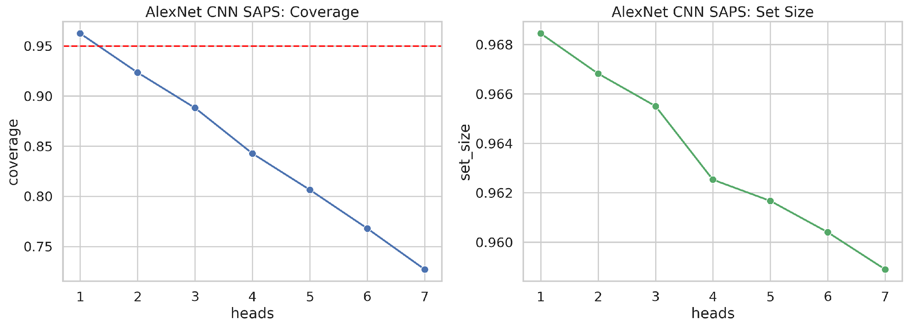
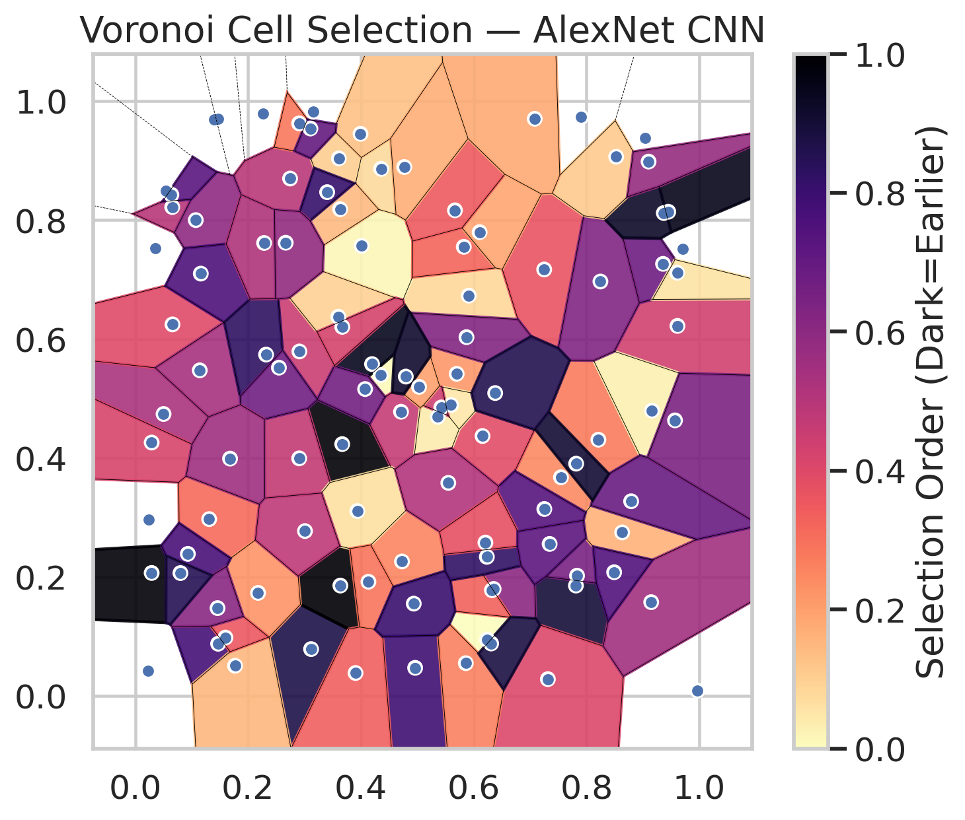
model_key | AlexNet_CNN_MultiHead
model_name | AlexNet CNN
scoring_method | SAPS
empirical_coverage | 0.72714617169
avg_set_size | 0.95889956911
scene_coverage | 0.22220891231
scene_avg_set_size | 1.0216624207
uncertain_pixel_rate | 0.76295528576
model_path | /content/drive/My Drive/Classification/multicp/models/AlexNet_CNN_MultiHead_best.keras

heads | coverage | set_size |  |  | Class | Coverage | Class | Pixels
1 | 0.96241299304 | 0.96844547564 |  |  | Class 0 | 0.73741794311 | Class 0 | 10824
2 | 0.92343387471 | 0.96682134571 |  |  | Class 1 | 0.74449339207 | Class 1 | 4270
3 | 0.88816705336 | 0.96550657386 |  |  | Class 2 | 0.67597765363 | Class 2 | 4486
4 | 0.84269141531 | 0.96252900232 |  |  | Class 3 | 0.73717948718 | Class 3 | 1425
5 | 0.80649651972 | 0.96167053364 |  |  | Class 4 | 0.73076923077 | Class 4 | 1121
6 | 0.76798143852 | 0.96040216551 |  |  | Class 5 | 0.66336633663 | Class 5 | 1528
7 | 0.72714617169 | 0.95889956911 |  |  | Class 6 | 0.80882352941 | Class 6 | 361
 |  |  |  |  |  |  | Uncertain | 77295

Cell Index | s1 | s2 | Selection_Order | Norm_Order(0-1) | Target
0 | 0.7547 | 0.3676 | 26 | 0.24528301887 | 0
1 | 0.7905 | 0.973 | 83 | 0.78301886792 | 0
2 | 0.7812 | 0.1856 | 95 | 0.89622641509 | 0
3 | 0.291 | 0.5791 | 48 | 0.45283018868 | 2
4 | 0.5698 | 0.5415 | 23 | 0.21698113208 | 6
5 | 0.0502 | 0.474 | 56 | 0.52830188679 | 2
6 | 0.4962 | 0.0473 | 84 | 0.79245283019 | 0
7 | 0.066 | 0.6246 | 42 | 0.39622641509 | 0
8 | 0.2265 | 0.9785 | 103 | 0.97169811321 | 0
9 | 0.9042 | 0.9382 | 22 | 0.20754716981 | 1
10 | 0.3669 | 0.4234 | 105 | 0.99056603774 | 3
11 | 0.7832 | 0.2022 | 69 | 0.65094339623 | 0
12 | 0.435 | 0.5395 | 1 | 0.0094339622642 | 4
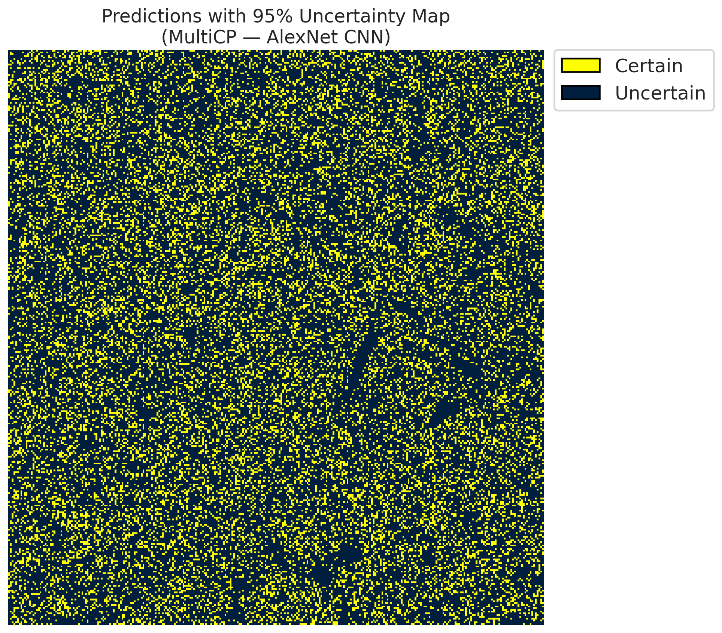
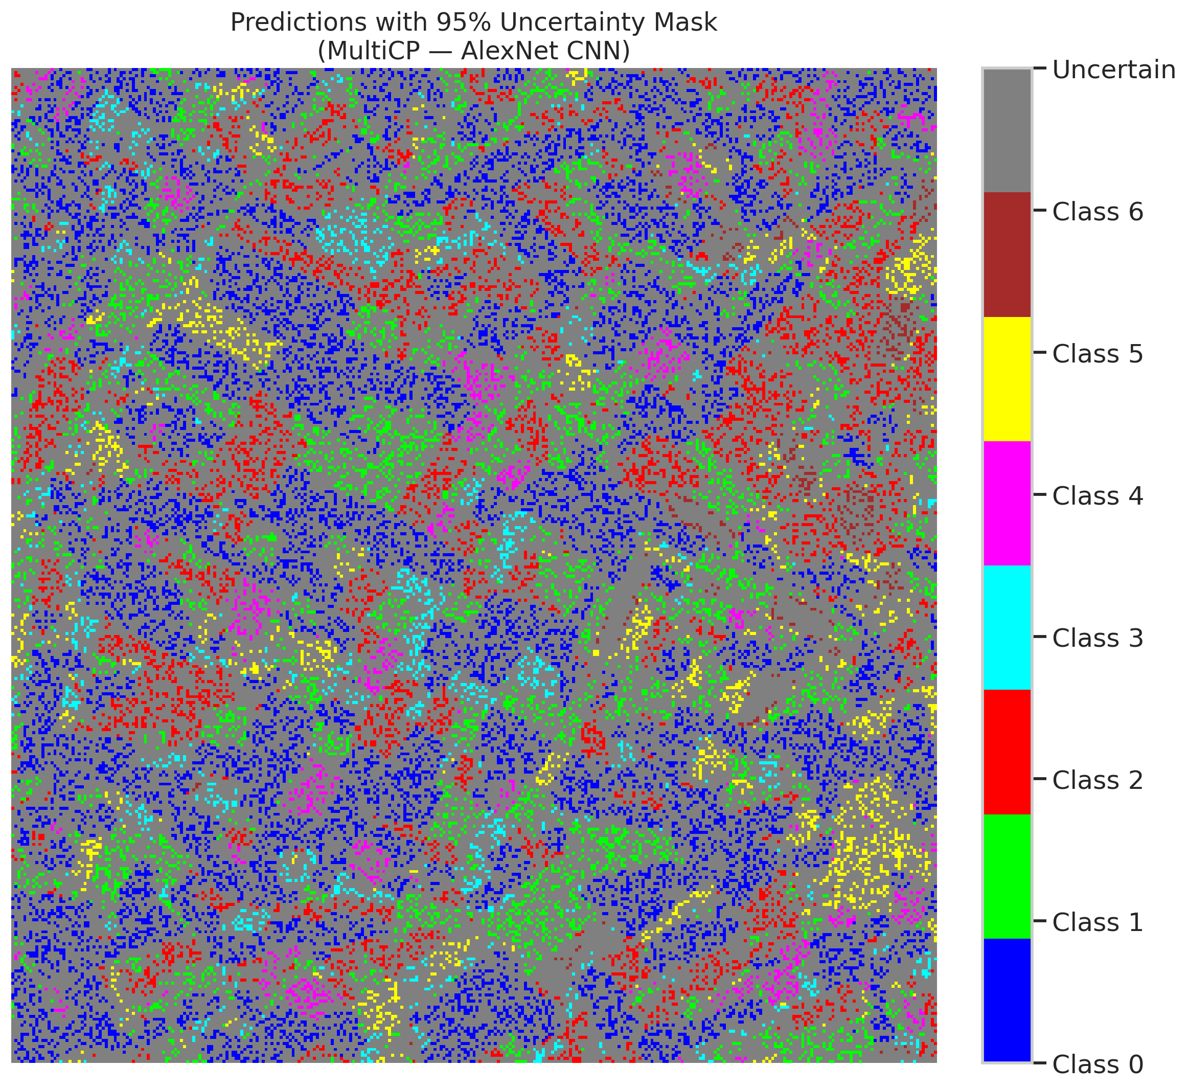
13 | 0.5912 | 0.673 | 9 | 0.084905660377 | 0
14 | 0.6239 | 0.0947 | 0 | 0 | 5
15 | 0.1311 | 0.2973 | 33 | 0.31132075472 | 0
16 | 0.6156 | 0.437 | 41 | 0.38679245283 | 1
17 | 0.4198 | 0.5579 | 100 | 0.94339622642 | 0
18 | 0.3117 | 0.0788 | 92 | 0.8679245283 | 2
19 | 0.4729 | 0.2261 | 27 | 0.25471698113 | 3
20 | 0.7315 | 0.0283 | 43 | 0.40566037736 | 0
21 | 0.5599 | 0.4891 | 5 | 0.047169811321 | 4
22 | 0.725 | 0.7169 | 39 | 0.3679245283 | 0
23 | 0.2745 | 0.8698 | 52 | 0.49056603774 | 0
24 | 0.4711 | 0.4778 | 49 | 0.46226415094 | 1
25 | 0.586 | 0.0551 | 28 | 0.2641509434 | 2
26 | 0.1465 | 0.9706 | 89 | 0.83962264151 | 4
27 | 0.9968 | 0.0089 | 60 | 0.56603773585 | 1
28 | 0.8211 | 0.4308 | 29 | 0.27358490566 | 0
29 | 0.0656 | 0.8219 | 53 | 0.5 | 3
30 | 0.1469 | 0.0878 | 82 | 0.77358490566 | 0
31 | 0.5365 | 0.4693 | 4 | 0.037735849057 | 1
32 | 0.3609 | 0.9037 | 11 | 0.10377358491 | 6
33 | 0.5426 | 0.485 | 47 | 0.44339622642 | 0
34 | 0.5872 | 0.6032 | 66 | 0.62264150943 | 5
35 | 0.0357 | 0.7527 | 102 | 0.96226415094 | 2
36 | 0.4012 | 0.7566 | 2 | 0.018867924528 | 5
37 | 0.3636 | 0.1856 | 106 | 1 | 2
38 | 0.6353 | 0.1799 | 64 | 0.60377358491 | 4
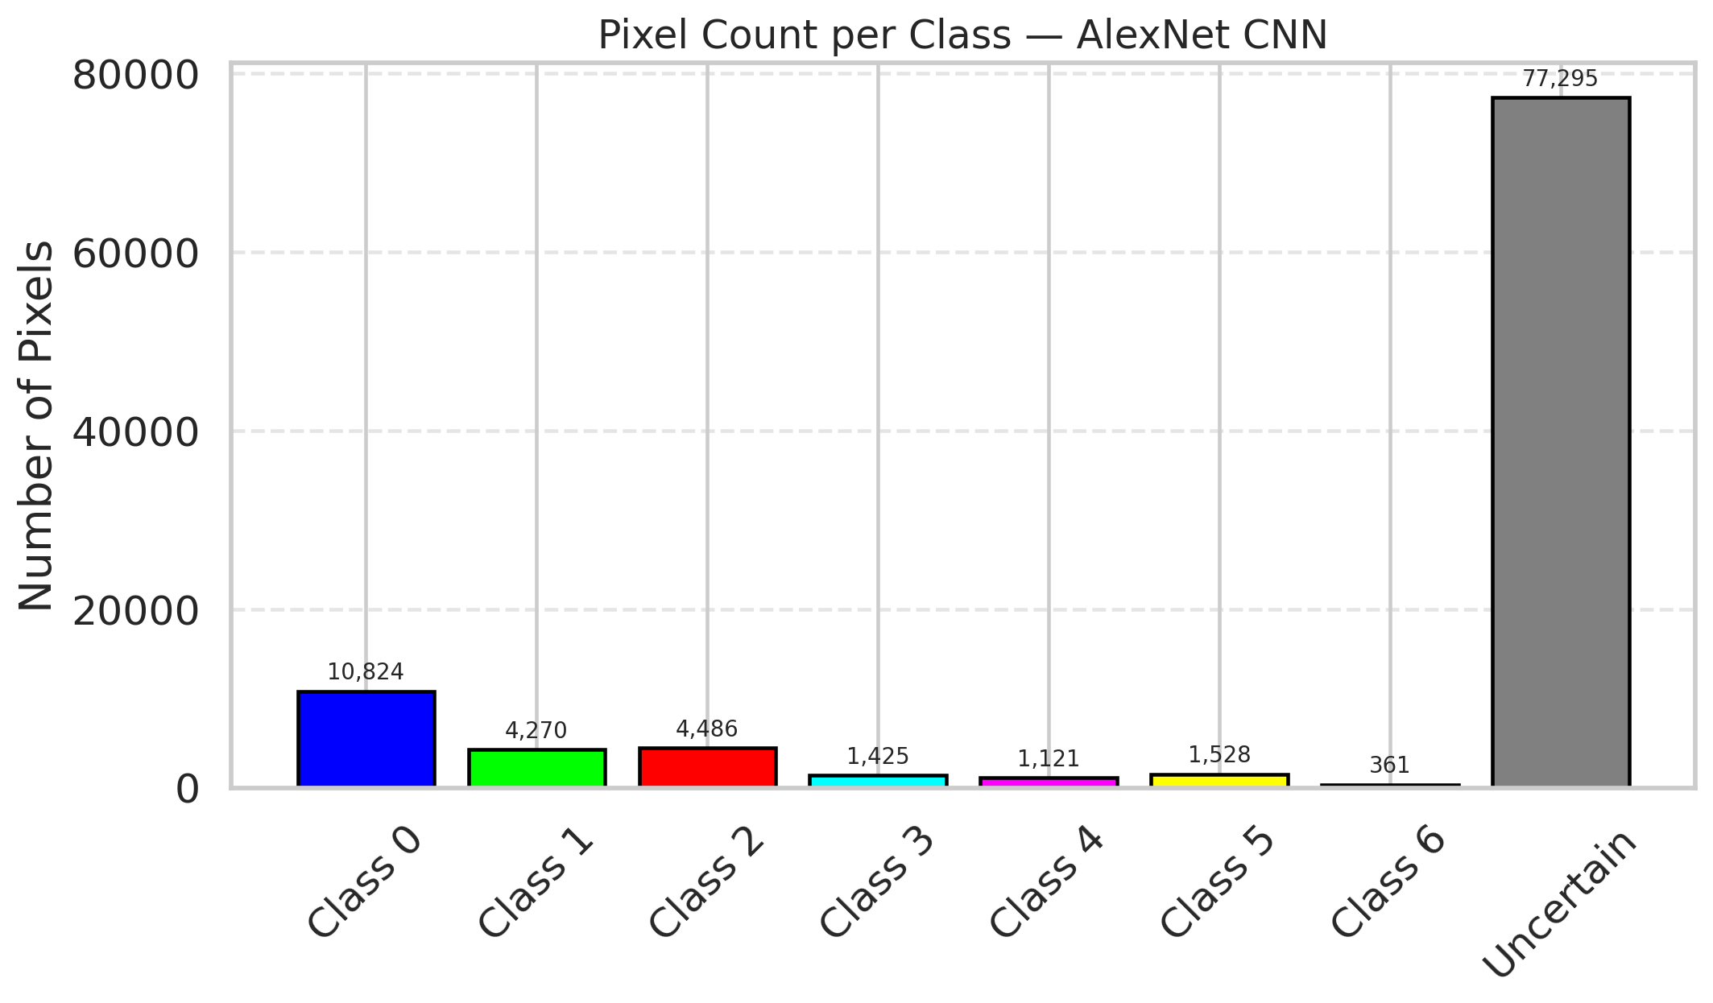
39 | 0.5824 | 0.755 | 34 | 0.32075471698 | 1
40 | 0.6323 | 0.1778 | 35 | 0.33018867925 | 0
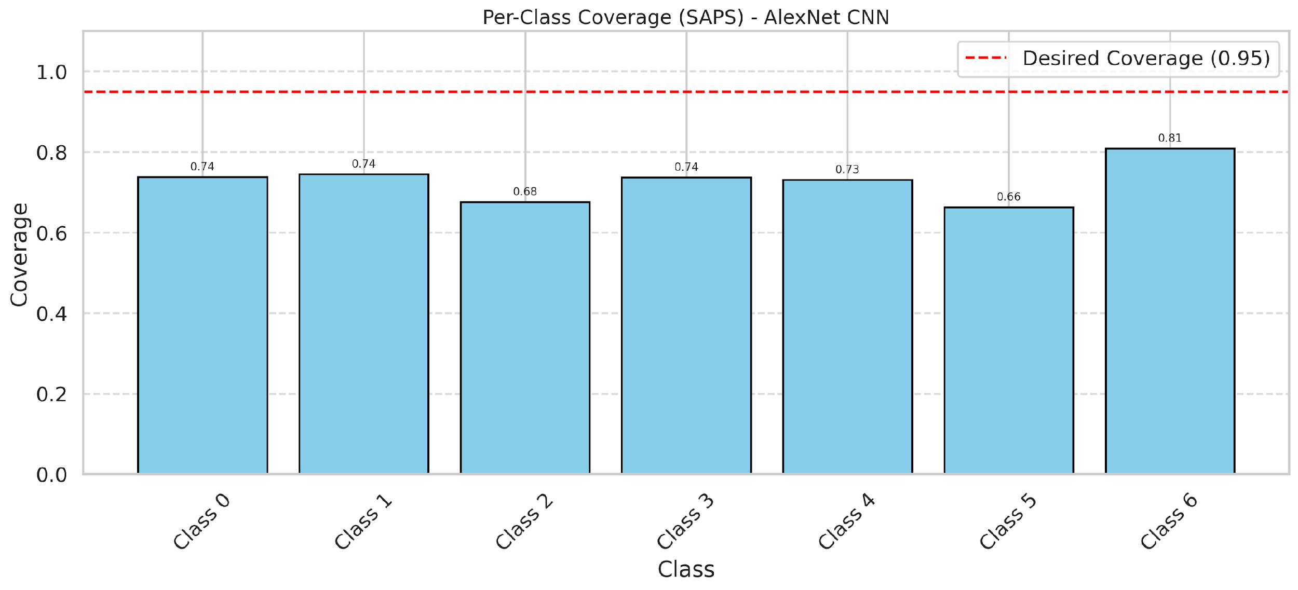
41 | 0.8632 | 0.2749 | 17 | 0.16037735849 | 0
42 | 0.1404 | 0.969 | 32 | 0.30188679245 | 0
43 | 0.1073 | 0.7999 | 63 | 0.59433962264 | 0
44 | 0.4359 | 0.8861 | 8 | 0.075471698113 | 0
45 | 0.0291 | 0.2068 | 104 | 0.98113207547 | 0
46 | 0.2906 | 0.3994 | 50 | 0.47169811321 | 0
47 | 0.1162 | 0.71 | 80 | 0.75471698113 | 1
48 | 0.9612 | 0.6221 | 46 | 0.43396226415 | 0
49 | 0.9147 | 0.1577 | 58 | 0.54716981132 | 2
50 | 0.4075 | 0.5159 | 70 | 0.66037735849 | 0
51 | 0.0243 | 0.2962 | 13 | 0.12264150943 | 0
52 | 0.9357 | 0.7264 | 72 | 0.67924528302 | 6
53 | 0.9161 | 0.4797 | 3 | 0.028301886792 | 3
54 | 0.6105 | 0.7797 | 20 | 0.18867924528 | 0
55 | 0.6233 | 0.2339 | 87 | 0.82075471698 | 6
56 | 0.3632 | 0.8183 | 15 | 0.14150943396 | 2
57 | 0.849 | 0.208 | 79 | 0.74528301887 | 2
58 | 0.8247 | 0.6967 | 67 | 0.6320754717 | 0
59 | 0.0641 | 0.8426 | 77 | 0.72641509434 | 2
60 | 0.0544 | 0.8496 | 75 | 0.70754716981 | 3
61 | 0.6309 | 0.0882 | 93 | 0.87735849057 | 2
62 | 0.3938 | 0.3108 | 7 | 0.066037735849 | 1
63 | 0.3151 | 0.9821 | 99 | 0.93396226415 | 0
64 | 0.1144 | 0.5474 | 57 | 0.53773584906 | 1
65 | 0.2319 | 0.5739 | 88 | 0.83018867925 | 0
66 | 0.9449 | 0.814 | 101 | 0.95283018868 | 0
67 | 0.8791 | 0.3273 | 73 | 0.68867924528 | 2
68 | 0.3905 | 0.0386 | 36 | 0.33962264151 | 0
69 | 0.7252 | 0.3143 | 78 | 0.7358490566 | 0
70 | 0.5032 | 0.5196 | 21 | 0.19811320755 | 1
71 | 0.2178 | 0.1733 | 24 | 0.22641509434 | 5
72 | 0.5668 | 0.8164 | 37 | 0.34905660377 | 2
73 | 0.2284 | 0.7615 | 55 | 0.51886792453 | 0
74 | 0.7816 | 0.3905 | 96 | 0.90566037736 | 2
75 | 0.1769 | 0.0508 | 16 | 0.15094339623 | 5
76 | 0.0224 | 0.042 | 25 | 0.2358490566 | 1
77 | 0.937 | 0.8118 | 98 | 0.92452830189 | 3
78 | 0.0291 | 0.426 | 44 | 0.41509433962 | 0
79 | 0.555 | 0.3582 | 54 | 0.50943396226 | 0
80 | 0.4796 | 0.5369 | 97 | 0.91509433962 | 1
81 | 0.36 | 0.6375 | 10 | 0.094339622642 | 1
82 | 0.6381 | 0.5092 | 91 | 0.85849056604 | 6
83 | 0.3994 | 0.945 | 14 | 0.1320754717 | 1
84 | 0.8526 | 0.9064 | 12 | 0.11320754717 | 1
85 | 0.0933 | 0.2389 | 81 | 0.7641509434 | 2
86 | 0.1599 | 0.0982 | 38 | 0.35849056604 | 0
87 | 0.9569 | 0.4633 | 68 | 0.64150943396 | 0
88 | 0.3402 | 0.8469 | 86 | 0.81132075472 | 0
89 | 0.2905 | 0.9625 | 30 | 0.28301886792 | 1
90 | 0.4134 | 0.192 | 31 | 0.29245283019 | 2
91 | 0.1459 | 0.1477 | 65 | 0.61320754717 | 0
92 | 0.3105 | 0.9539 | 74 | 0.69811320755 | 0
93 | 0.6208 | 0.2579 | 40 | 0.37735849057 | 4
94 | 0.2547 | 0.5519 | 71 | 0.66981132075 | 1
95 | 0.7082 | 0.9702 | 19 | 0.17924528302 | 0
96 | 0.3009 | 0.2772 | 51 | 0.48113207547 | 2
97 | 0.2667 | 0.7619 | 62 | 0.58490566038 | 0
98 | 0.1681 | 0.399 | 59 | 0.55660377358 | 0
99 | 0.4937 | 0.1552 | 85 | 0.80188679245 | 1
100 | 0.9702 | 0.7514 | 94 | 0.88679245283 | 3
101 | 0.0801 | 0.2066 | 90 | 0.84905660377 | 3
102 | 0.367 | 0.6205 | 45 | 0.42452830189 | 6
103 | 0.9608 | 0.7115 | 6 | 0.056603773585 | 0
104 | 0.4769 | 0.8892 | 18 | 0.16981132075 | 4
105 | 0.91 | 0.8983 | 61 | 0.57547169811 | 1
106 | 0.7346 | 0.2556 | 76 | 0.71698113208 | 0

GFNet_Mult_RAPS
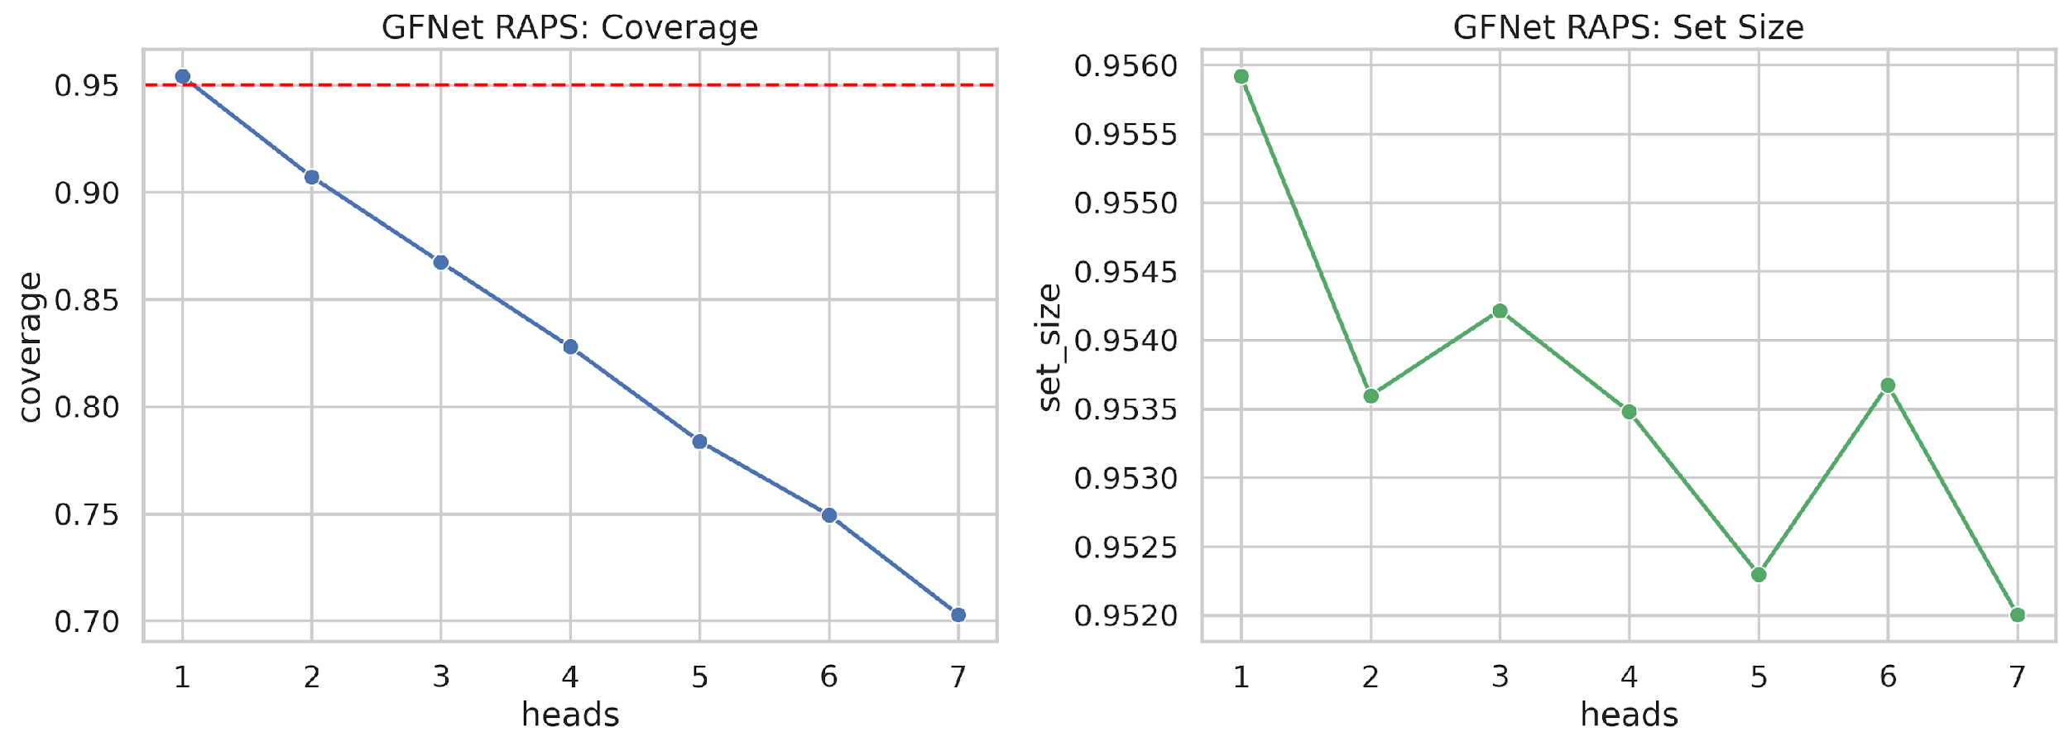
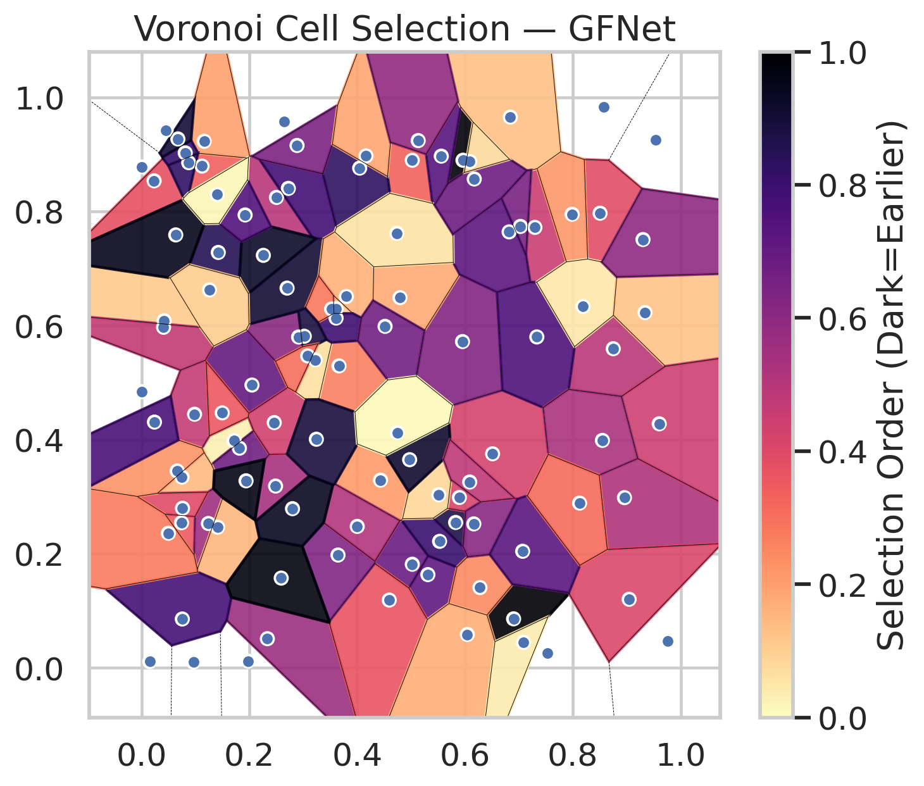
model_key | GFNet_MultiHead
model_name | GFNet
scoring_method | RAPS
empirical_coverage | 0.7030162413
avg_set_size | 0.95200530328
scene_coverage | 0.22370627695
scene_avg_set_size | 1.0366786746
uncertain_pixel_rate | 0.10565590761
model_path | /content/drive/My Drive/Classification/multicp/models/GFNet_MultiHead_best.keras

heads | coverage | set_size |  |  | Class | Coverage | Class | Pixels
1 | 0.95406032483 | 0.95591647332 |  |  | Class 0 | 0.69693654267 | Class 0 | 41507
2 | 0.90719257541 | 0.9535962877 |  |  | Class 1 | 0.70264317181 | Class 1 | 16435
3 | 0.86728538283 | 0.95421500387 |  |  | Class 2 | 0.6843575419 | Class 2 | 16884
4 | 0.82784222738 | 0.95348027842 |  |  | Class 3 | 0.69871794872 | Class 3 | 5702
5 | 0.7837587007 | 0.95229698376 |  |  | Class 4 | 0.74038461538 | Class 4 | 4358
6 | 0.7494199536 | 0.95367362722 |  |  | Class 5 | 0.75247524752 | Class 5 | 4095
7 | 0.7030162413 | 0.95200530328 |  |  | Class 6 | 0.76470588235 | Class 6 | 1625
 |  |  |  |  |  |  | Uncertain | 10704

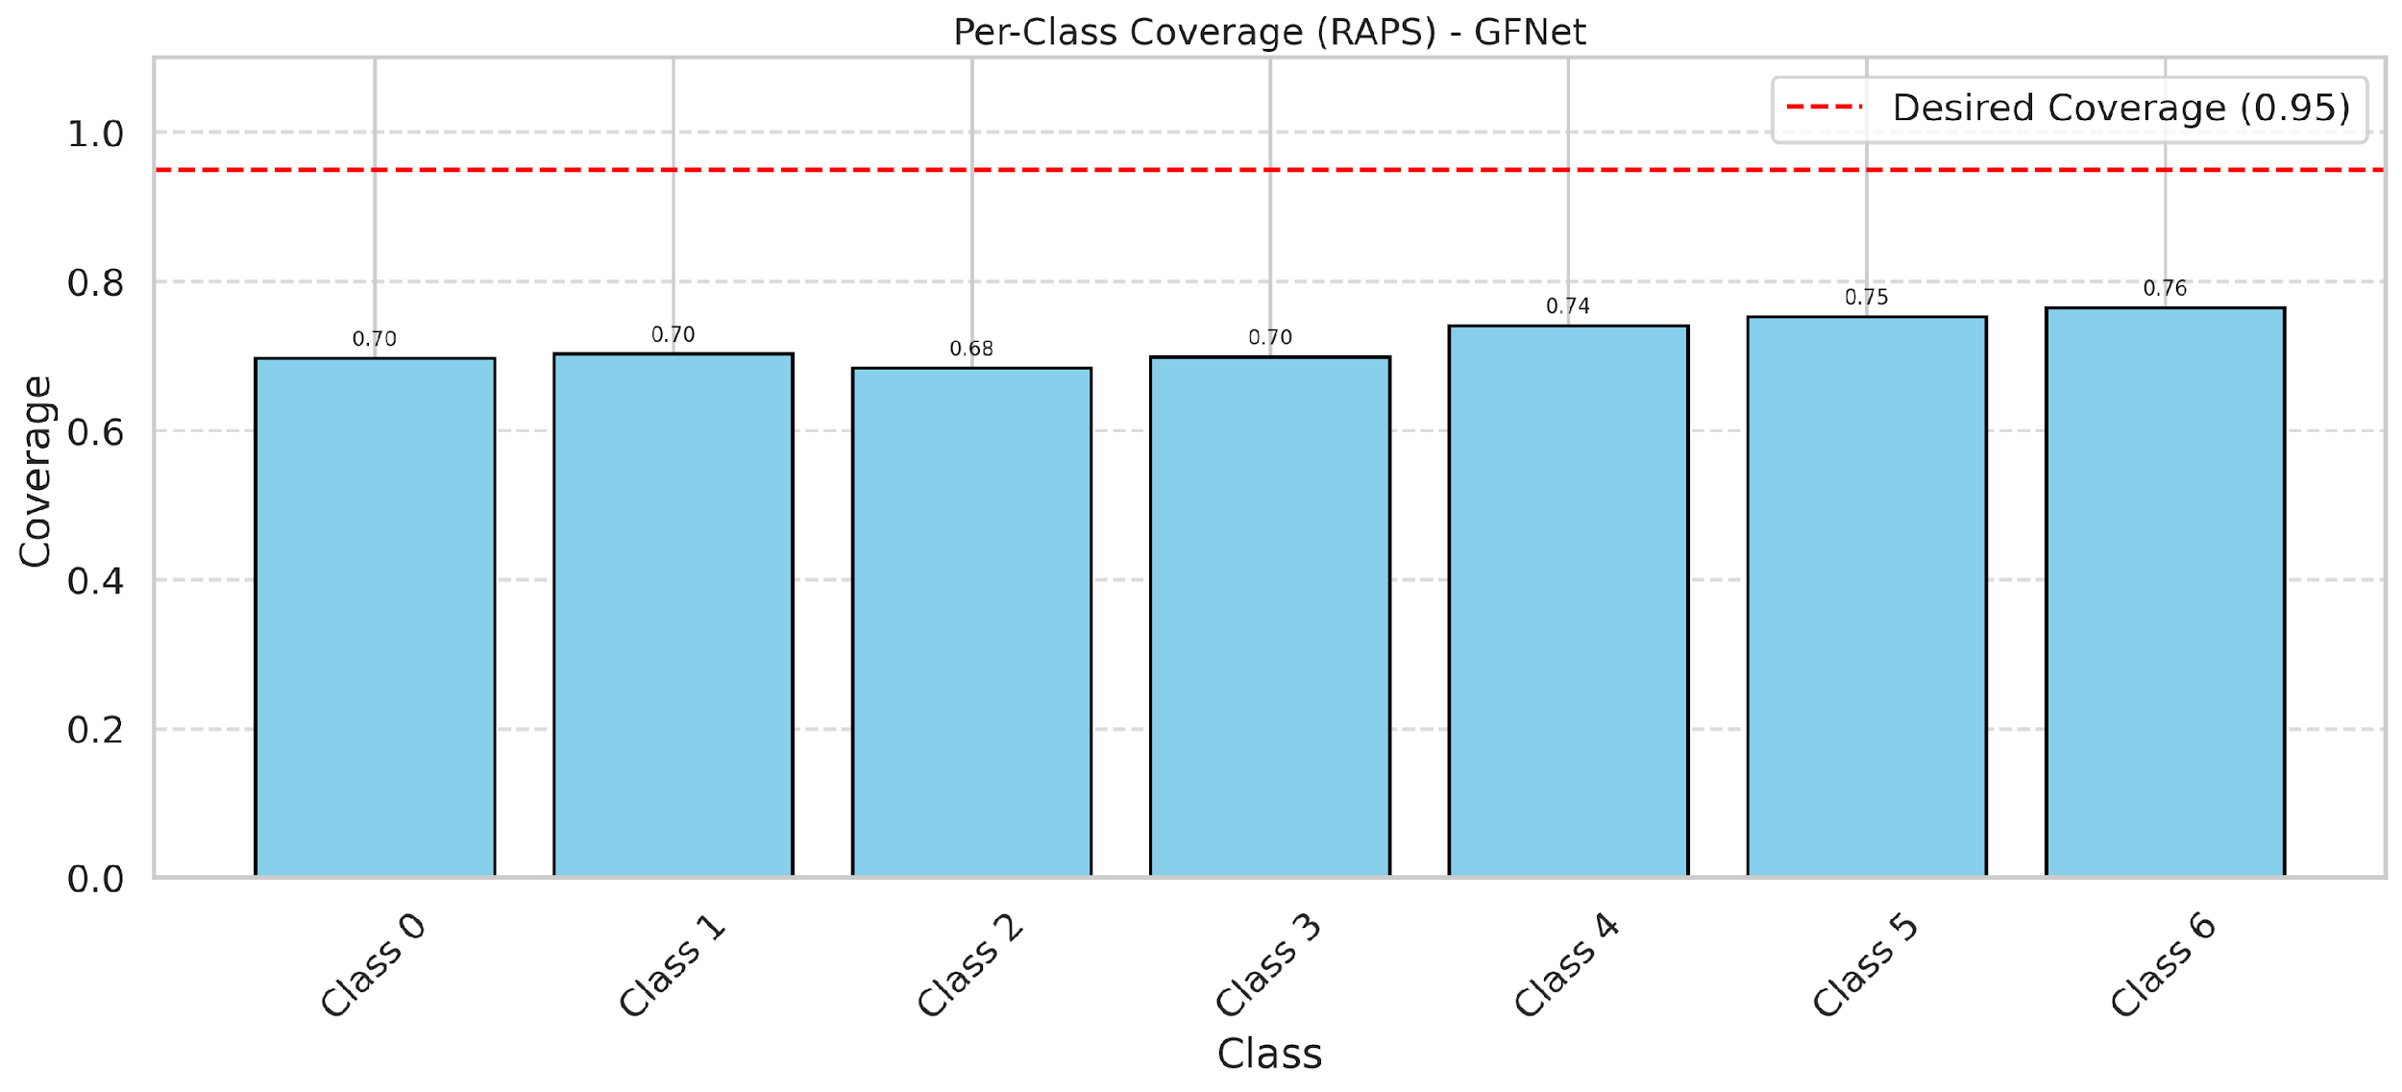

Cell Index | s1 | s2 | Selection_Order | Norm_Order(0-1) | Target
0 | 0.1717 | 0.3981 | 3 | 0.028301886792 | 0
1 | 0.2334 | 0.0512 | 60 | 0.56603773585 | 0
2 | 0.6511 | 0.3753 | 45 | 0.42452830189 | 0
3 | 0.5021 | 0.8896 | 35 | 0.33018867925 | 2
4 | 0.0419 | 0.6085 | 12 | 0.11320754717 | 6
5 | 0.5826 | 0.2549 | 92 | 0.8679245283 | 2
6 | 0.0233 | 0.8536 | 40 | 0.37735849057 | 0
7 | 0.7296 | 0.772 | 48 | 0.45283018868 | 0
8 | 0.0741 | 0.2544 | 37 | 0.34905660377 | 0
9 | 0.6901 | 0.086 | 106 | 1 | 1
10 | 0.5953 | 0.5719 | 66 | 0.62264150943 | 3
11 | 0.5022 | 0.1817 | 73 | 0.68867924528 | 0
12 | 0.4046 | 0.8759 | 88 | 0.83018867925 | 4
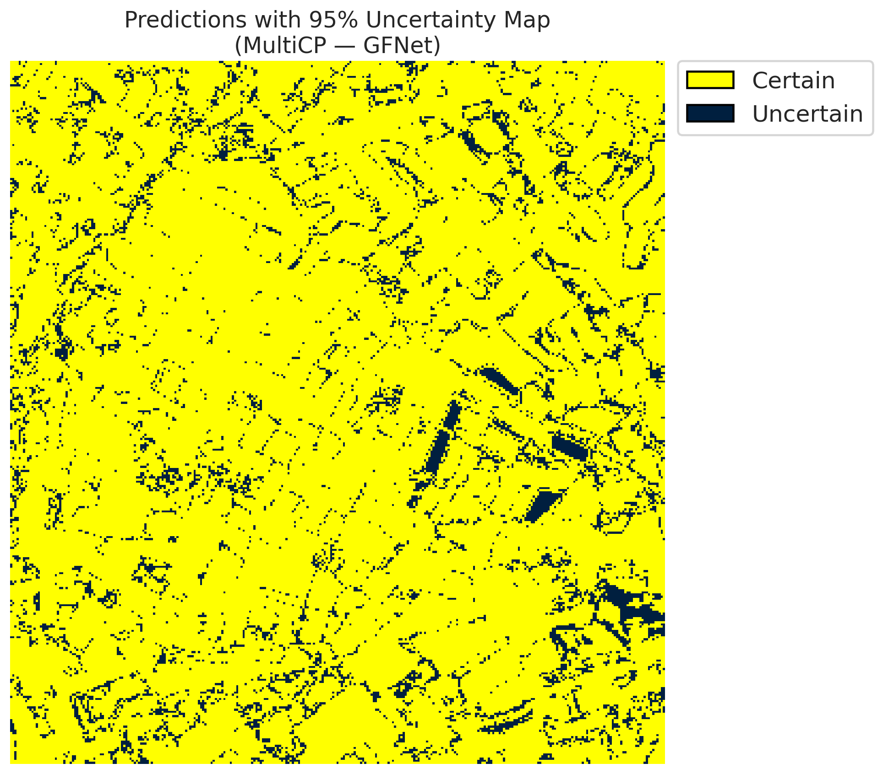
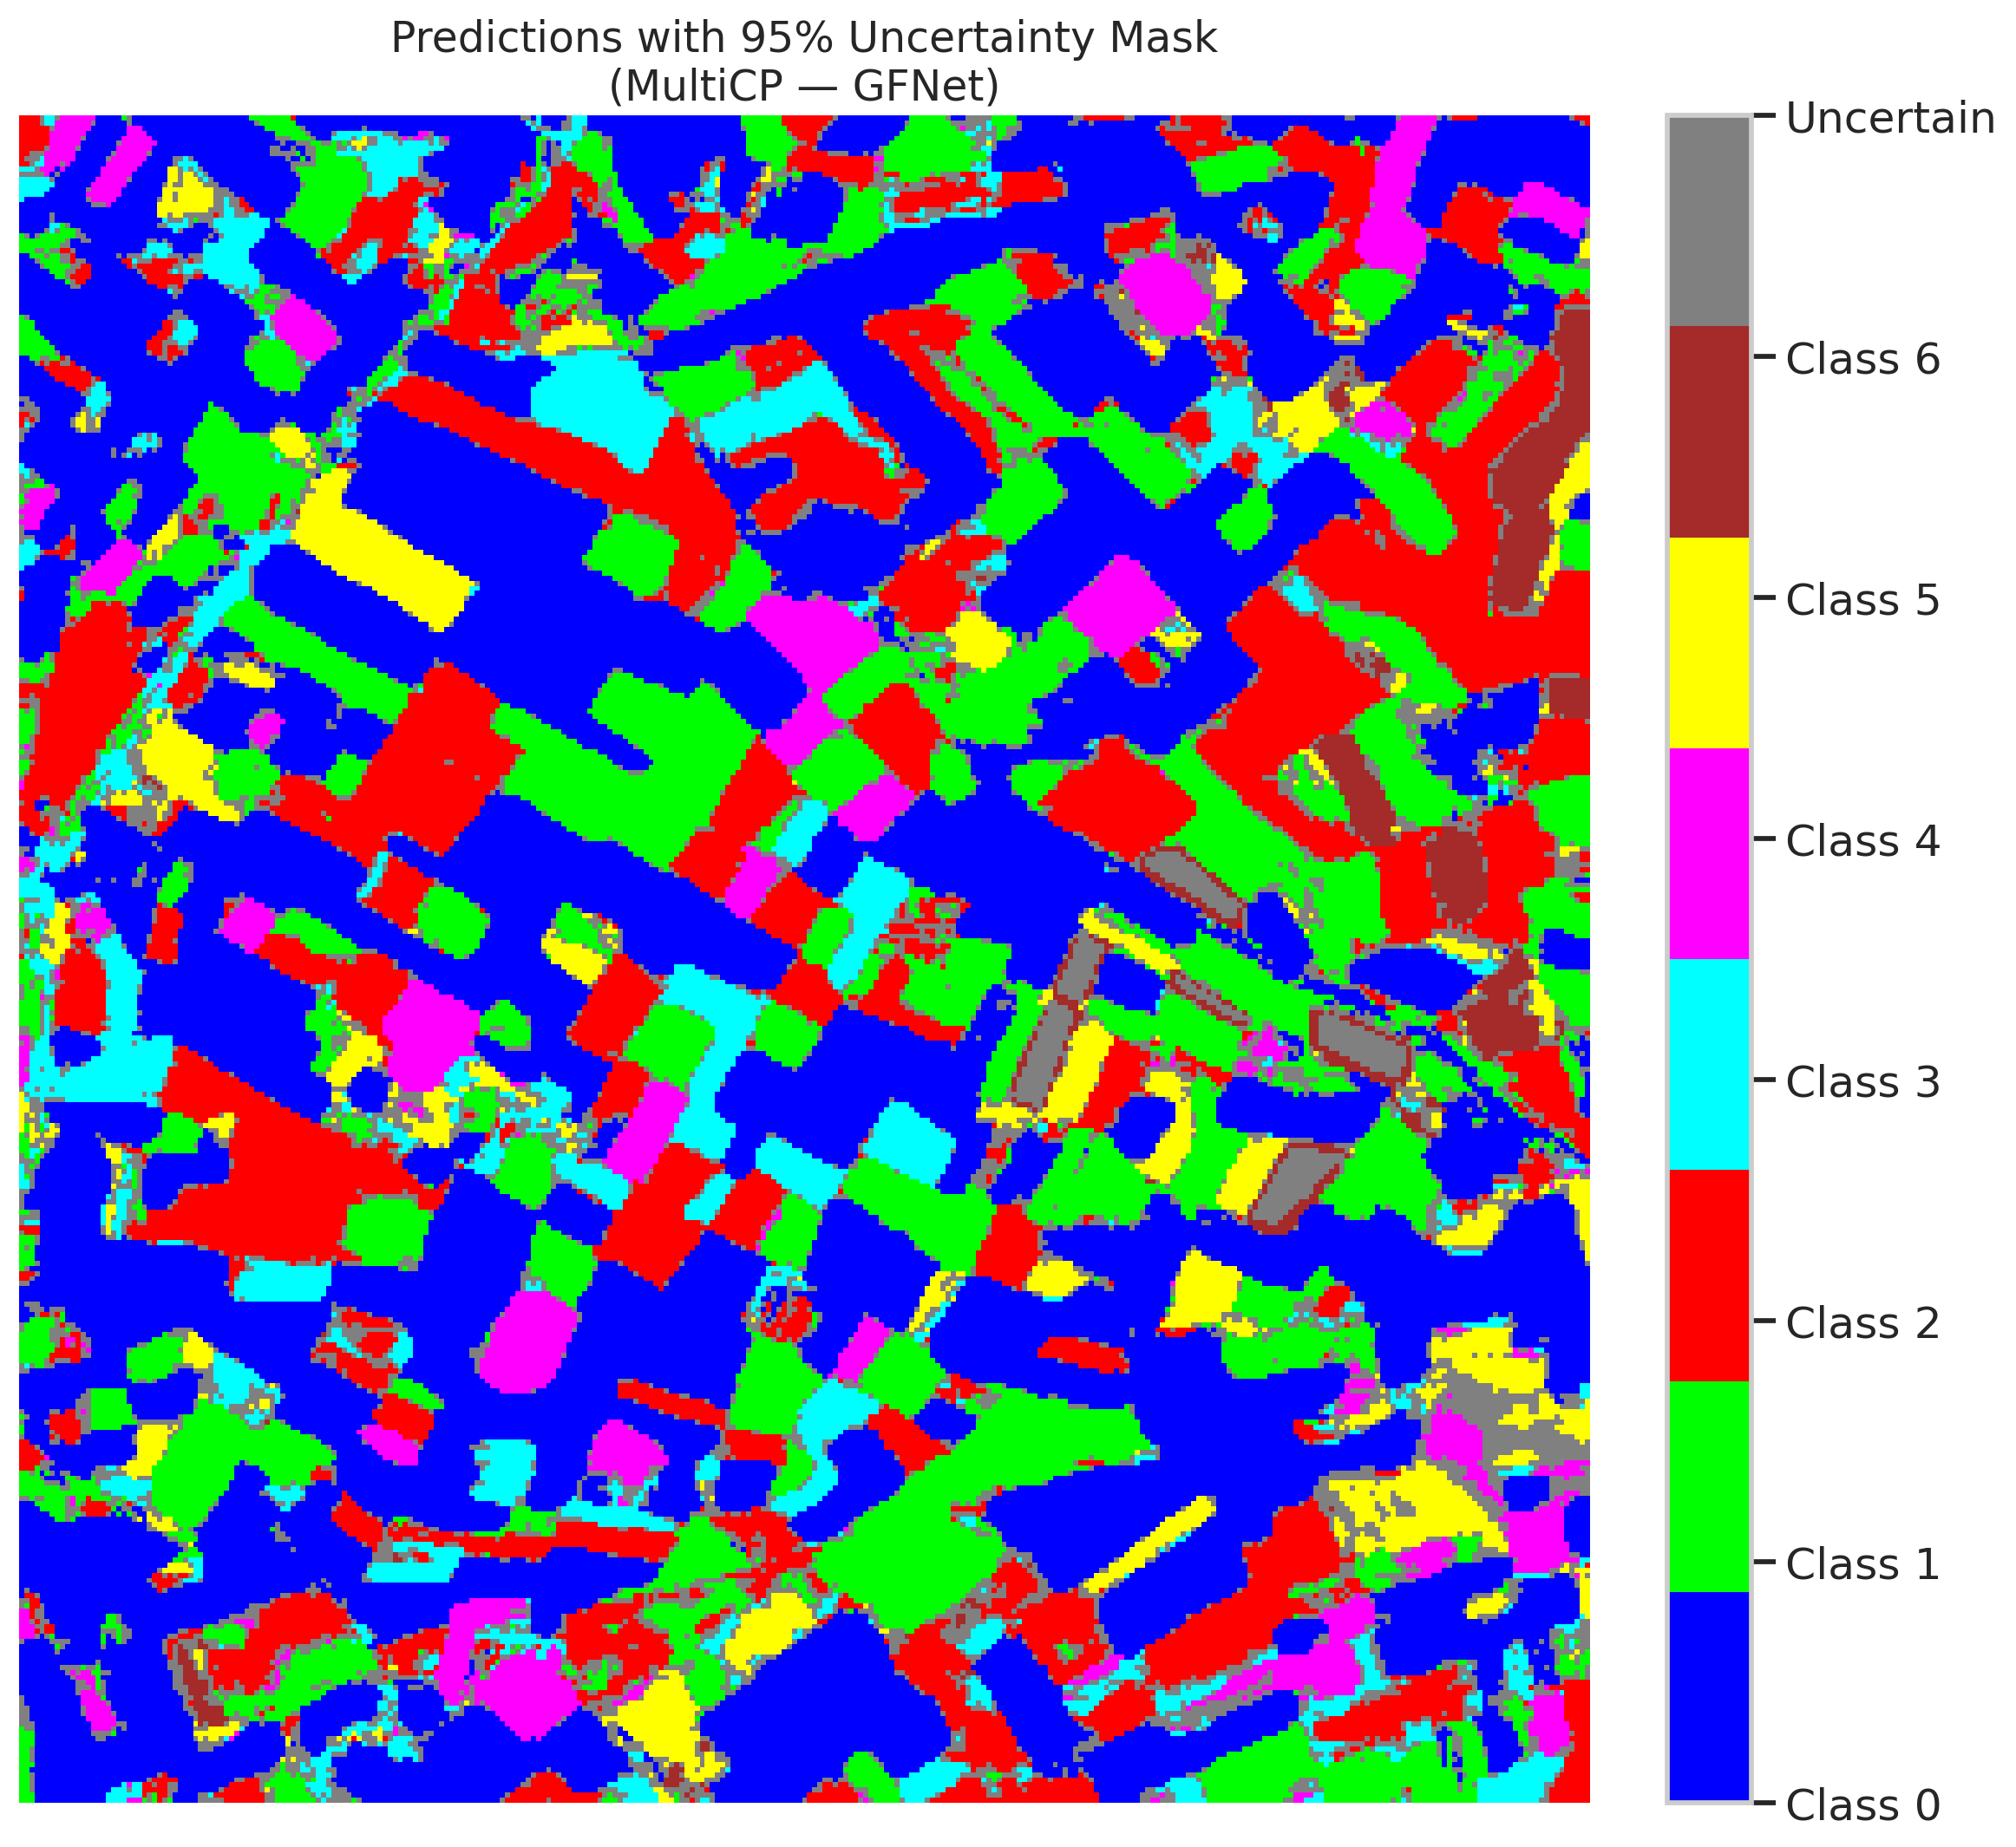
13 | 0.9532 | 0.9249 | 25 | 0.2358490566 | 0
14 | 0.8749 | 0.5594 | 52 | 0.49056603774 | 5
15 | 0.3609 | 0.6293 | 10 | 0.094339622642 | 0
16 | 0.1815 | 0.3851 | 71 | 0.66981132075 | 1
17 | 0.2048 | 0.4957 | 74 | 0.69811320755 | 0
18 | 0.2486 | 0.3187 | 57 | 0.53773584906 | 2
19 | 0.2913 | 0.5799 | 64 | 0.60377358491 | 3
20 | 0.5962 | 0.8897 | 104 | 0.98113207547 | 0
21 | 0.1122 | 0.8794 | 36 | 0.33962264151 | 4
22 | 0.0456 | 0.9422 | 34 | 0.32075471698 | 0
23 | 0.2502 | 0.8245 | 53 | 0.5 | 0
24 | 0.5311 | 0.1635 | 75 | 0.70754716981 | 1
25 | 0.8505 | 0.7969 | 41 | 0.38679245283 | 2
26 | 0.5528 | 0.2218 | 85 | 0.80188679245 | 4
27 | 0.4794 | 0.6489 | 19 | 0.17924528302 | 1
28 | 0.2699 | 0.6656 | 96 | 0.90566037736 | 0
29 | 0.2461 | 0.4299 | 46 | 0.43396226415 | 3
30 | 0.2723 | 0.8404 | 83 | 0.78301886792 | 0
31 | 0.1423 | 0.7281 | 90 | 0.84905660377 | 1
32 | 0.0749 | 0.3344 | 15 | 0.14150943396 | 6
33 | 0.1161 | 0.9228 | 21 | 0.19811320755 | 0
34 | 0.7987 | 0.795 | 23 | 0.21698113208 | 5
35 | 0.556 | 0.8969 | 78 | 0.7358490566 | 2
36 | 0.8957 | 0.2984 | 55 | 0.51886792453 | 5
37 | 0.7332 | 0.58 | 80 | 0.75471698113 | 2
38 | 0.0983 | 0.4446 | 49 | 0.46226415094 | 4
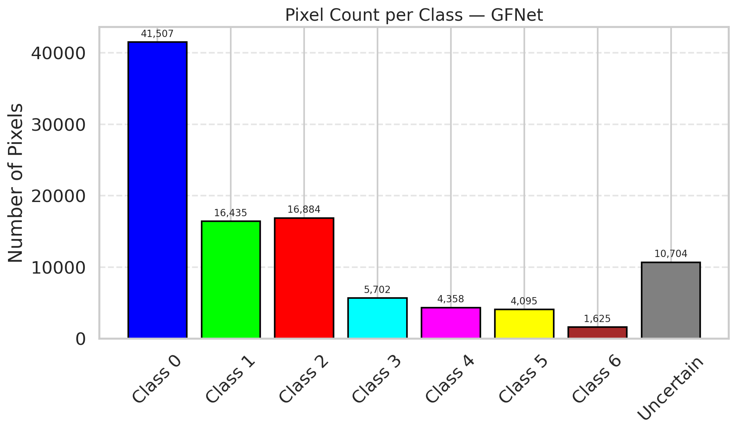
39 | 0.3662 | 0.5292 | 28 | 0.2641509434 | 1
40 | 0.8189 | 0.6332 | 5 | 0.047169811321 | 0
41 | 0.081 | 0.9026 | 86 | 0.81132075472 | 0
42 | 0.0875 | 0.8854 | 87 | 0.82075471698 | 0
43 | 0.0001 | 0.878 | 61 | 0.57547169811 | 0
44 | 0.3799 | 0.6509 | 17 | 0.16037735849 | 0
45 | 0.9337 | 0.6228 | 13 | 0.12264150943 | 0
46 | 0.2884 | 0.9156 | 68 | 0.64150943396 | 0
47 | 0.0154 | 0.0111 | 91 | 0.85849056604 | 1
48 | 0.684 | 0.9653 | 14 | 0.1320754717 | 0
49 | 0.0634 | 0.7588 | 101 | 0.95283018868 | 2
50 | 0.4433 | 0.3291 | 22 | 0.20754716981 | 0
51 | 0.7529 | 0.0258 | 100 | 0.94339622642 | 0
52 | 0.4594 | 0.1189 | 39 | 0.3679245283 | 6
53 | 0.0409 | 0.597 | 50 | 0.47169811321 | 3
54 | 0.124 | 0.2531 | 59 | 0.55660377358 | 0
55 | 0.8571 | 0.9828 | 105 | 0.99056603774 | 6
56 | 0.0004 | 0.484 | 58 | 0.54716981132 | 2
57 | 0.1496 | 0.4469 | 38 | 0.35849056604 | 2
58 | 0.141 | 0.2467 | 16 | 0.15094339623 | 0
59 | 0.6277 | 0.1408 | 26 | 0.24528301887 | 2
60 | 0.9602 | 0.4278 | 47 | 0.44339622642 | 3
61 | 0.5895 | 0.2987 | 44 | 0.41509433962 | 2
62 | 0.3219 | 0.5399 | 7 | 0.066037735849 | 1
63 | 0.1977 | 0.0119 | 27 | 0.25471698113 | 0
64 | 0.2259 | 0.723 | 98 | 0.92452830189 | 1
65 | 0.3644 | 0.1978 | 67 | 0.6320754717 | 0
66 | 0.7028 | 0.7737 | 69 | 0.65094339623 | 0
67 | 0.9044 | 0.1203 | 43 | 0.40566037736 | 2
68 | 0.076 | 0.2798 | 42 | 0.39622641509 | 0
69 | 0.1259 | 0.6625 | 11 | 0.10377358491 | 0
70 | 0.0756 | 0.0857 | 82 | 0.77358490566 | 1
71 | 0.8548 | 0.3987 | 56 | 0.52830188679 | 5
72 | 0.5511 | 0.3036 | 9 | 0.084905660377 | 2
73 | 0.4164 | 0.8973 | 20 | 0.18867924528 | 0
74 | 0.6163 | 0.2524 | 65 | 0.61320754717 | 2
75 | 0.1921 | 0.7938 | 79 | 0.74528301887 | 5
76 | 0.0497 | 0.236 | 29 | 0.27358490566 | 1
77 | 0.4001 | 0.248 | 54 | 0.50943396226 | 3
78 | 0.9763 | 0.0475 | 89 | 0.83962264151 | 0
79 | 0.2591 | 0.1574 | 103 | 0.97169811321 | 0
80 | 0.5131 | 0.9241 | 62 | 0.58490566038 | 1
81 | 0.3242 | 0.4008 | 94 | 0.88679245283 | 1
82 | 0.1938 | 0.3279 | 102 | 0.96226415094 | 6
83 | 0.0674 | 0.927 | 95 | 0.89622641509 | 1
84 | 0.0963 | 0.0103 | 31 | 0.29245283019 | 1
85 | 0.9301 | 0.7507 | 63 | 0.59433962264 | 2
86 | 0.4973 | 0.3649 | 97 | 0.91509433962 | 0
87 | 0.6087 | 0.3258 | 51 | 0.48113207547 | 0
88 | 0.2645 | 0.9578 | 0 | 0 | 0
89 | 0.0661 | 0.3451 | 24 | 0.22641509434 | 1
90 | 0.6818 | 0.7641 | 76 | 0.71698113208 | 2
91 | 0.3608 | 0.6131 | 84 | 0.79245283019 | 0
92 | 0.1404 | 0.8295 | 2 | 0.018867924528 | 0
93 | 0.7069 | 0.2044 | 77 | 0.72641509434 | 4
94 | 0.4735 | 0.7616 | 6 | 0.056603773585 | 1
95 | 0.6043 | 0.0586 | 18 | 0.16981132075 | 0
96 | 0.8125 | 0.2888 | 33 | 0.31132075472 | 2
97 | 0.0239 | 0.4308 | 81 | 0.7641509434 | 0
98 | 0.4517 | 0.5986 | 70 | 0.66037735849 | 0
99 | 0.4742 | 0.4123 | 1 | 0.0094339622642 | 1
100 | 0.3525 | 0.629 | 30 | 0.28301886792 | 3
101 | 0.7084 | 0.0448 | 4 | 0.037735849057 | 3
102 | 0.3018 | 0.5812 | 93 | 0.87735849057 | 6
103 | 0.3081 | 0.5467 | 32 | 0.30188679245 | 0
104 | 0.6171 | 0.8568 | 72 | 0.67924528302 | 4
105 | 0.28 | 0.2791 | 99 | 0.93396226415 | 1
106 | 0.6087 | 0.8874 | 8 | 0.075471698113 | 0

GFNet_Mult_SAPS
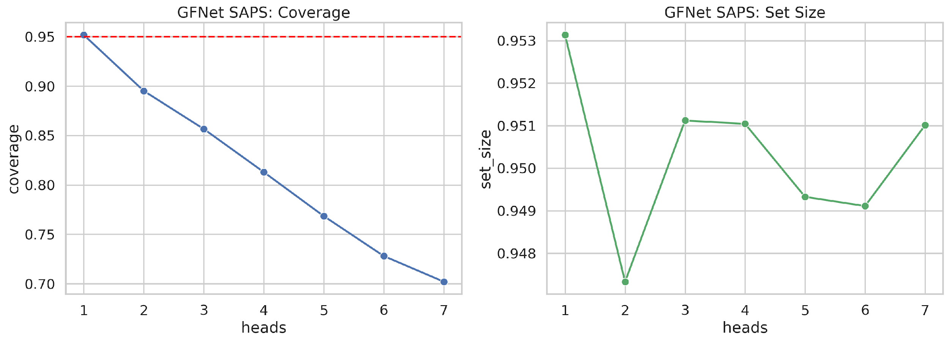
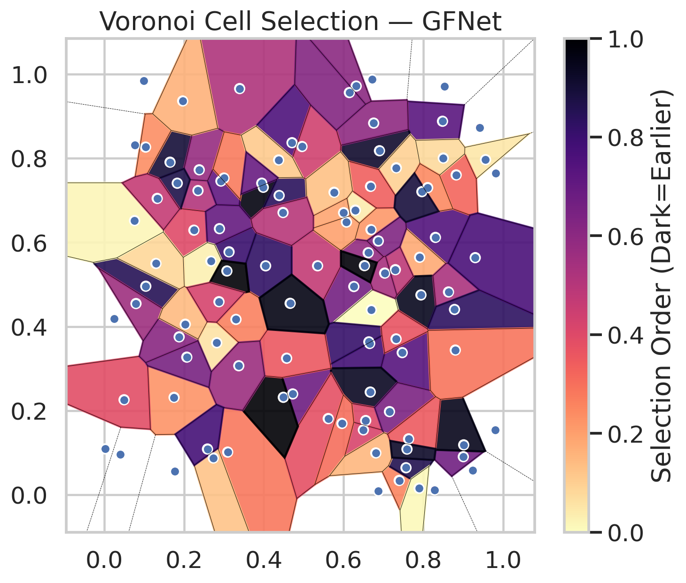
model_key | GFNet_MultiHead
model_name | GFNet
scoring_method | SAPS
empirical_coverage | 0.70208816705
avg_set_size | 0.95101093802
scene_coverage | 0.22137038812
scene_avg_set_size | 1.0141542937
uncertain_pixel_rate | 0.72602901984
model_path | /content/drive/My Drive/Classification/multicp/models/GFNet_MultiHead_best.keras

heads | coverage | set_size |  |  | Class | Coverage | Class | Pixels
1 | 0.95174013921 | 0.95313225058 |  |  | Class 0 | 0.68599562363 | Class 0 | 12944
2 | 0.89512761021 | 0.94733178654 |  |  | Class 1 | 0.69603524229 | Class 1 | 4945
3 | 0.856612529 | 0.95112142305 |  |  | Class 2 | 0.71787709497 | Class 2 | 5181
4 | 0.81299303944 | 0.95104408353 |  |  | Class 3 | 0.69871794872 | Class 3 | 1688
5 | 0.76844547564 | 0.94932714617 |  |  | Class 4 | 0.78846153846 | Class 4 | 1333
6 | 0.72807424594 | 0.94911059551 |  |  | Class 5 | 0.72277227723 | Class 5 | 1176
7 | 0.70208816705 | 0.95101093802 |  |  | Class 6 | 0.72058823529 | Class 6 | 489
 |  |  |  |  |  |  | Uncertain | 73554

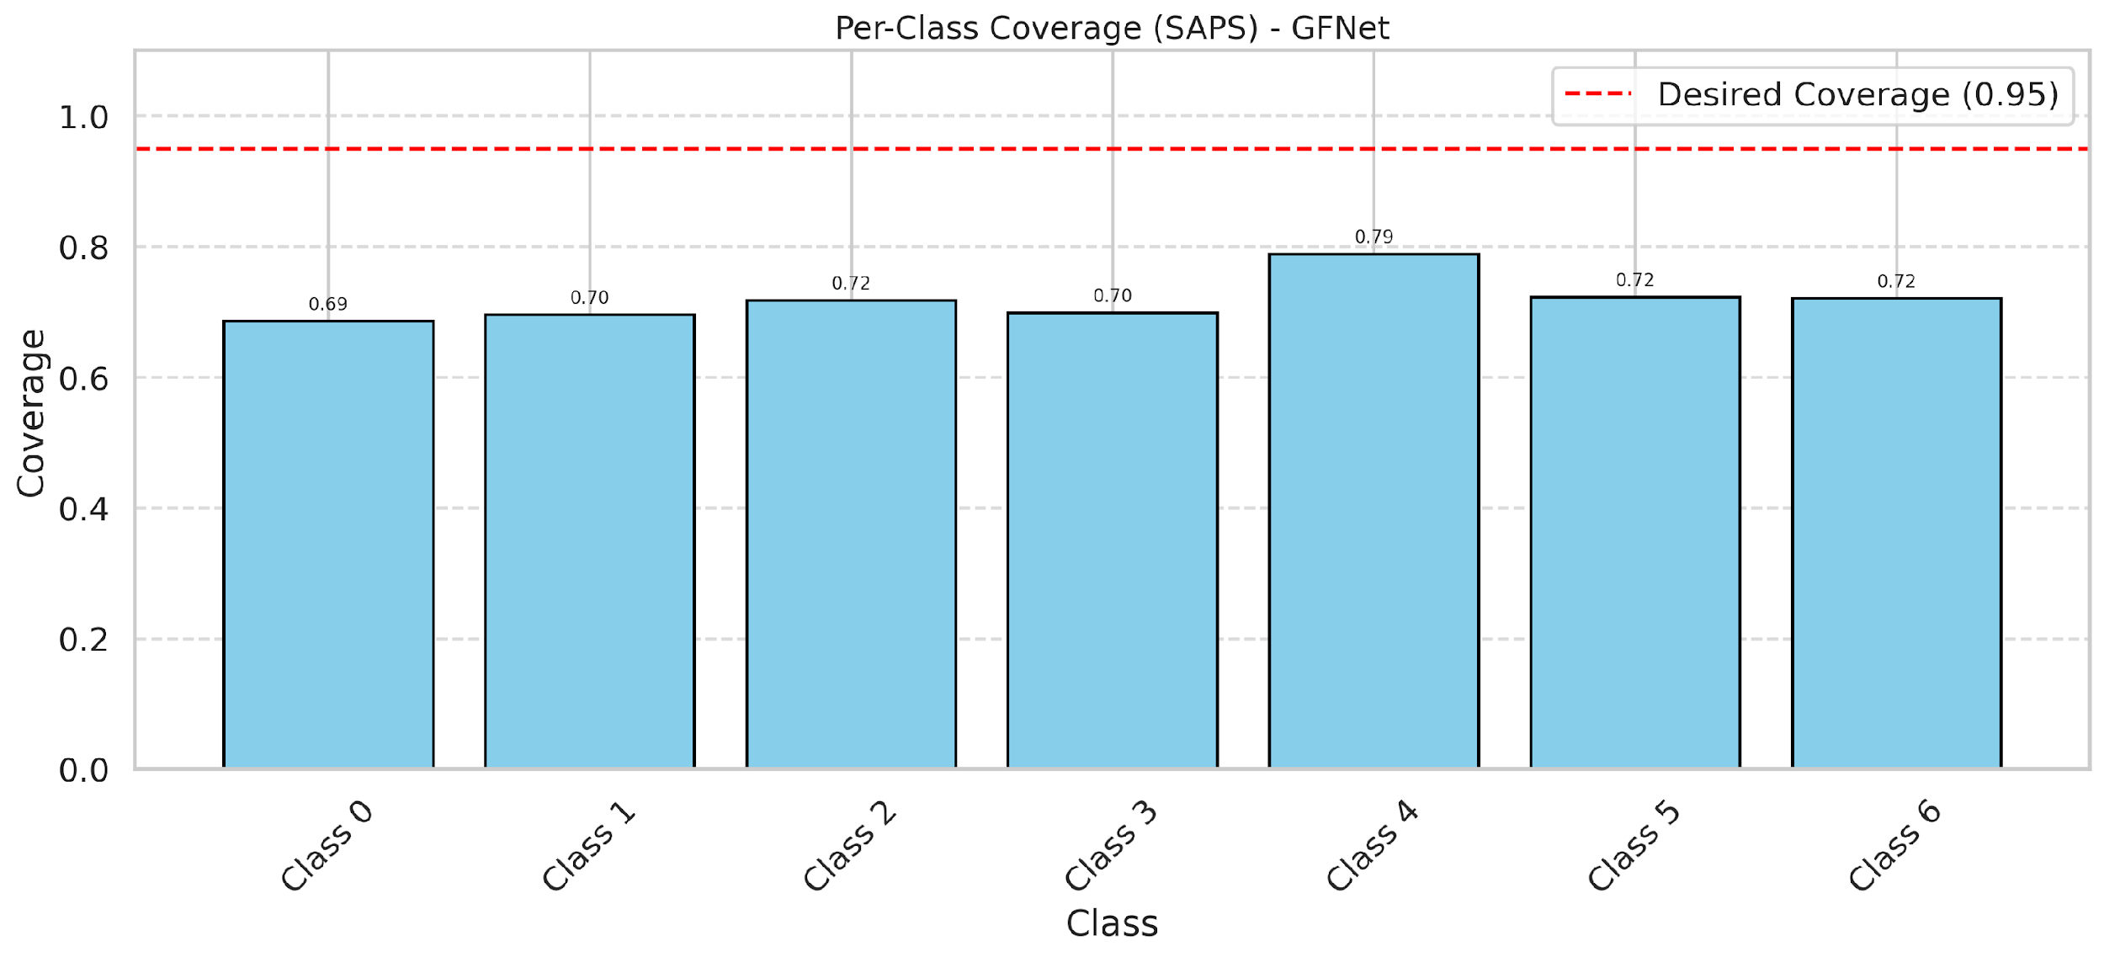

Cell Index | s1 | s2 | Selection_Order | Norm_Order(0-1) | Target
0 | 0.6297 | 0.6767 | 4 | 0.037735849057 | 0
1 | 0.165 | 0.7907 | 95 | 0.89622641509 | 0
2 | 0.2351 | 0.7232 | 54 | 0.50943396226 | 0
3 | 0.672 | 0.9874 | 35 | 0.33018867925 | 2
4 | 0.8533 | 0.971 | 11 | 0.10377358491 | 6
5 | 0.6259 | 0.4951 | 70 | 0.66037735849 | 2
6 | 0.0988 | 0.9839 | 76 | 0.71698113208 | 0
7 | 0.6877 | 0.009 | 84 | 0.79245283019 | 0
8 | 0.6656 | 0.3598 | 83 | 0.78301886792 | 0
9 | 0.8305 | 0.6119 | 79 | 0.74528301887 | 1
10 | 0.7909 | 0.5646 | 19 | 0.17924528302 | 3
11 | 0.9563 | 0.7967 | 5 | 0.047169811321 | 0
12 | 0.1751 | 0.2317 | 24 | 0.22641509434 | 4
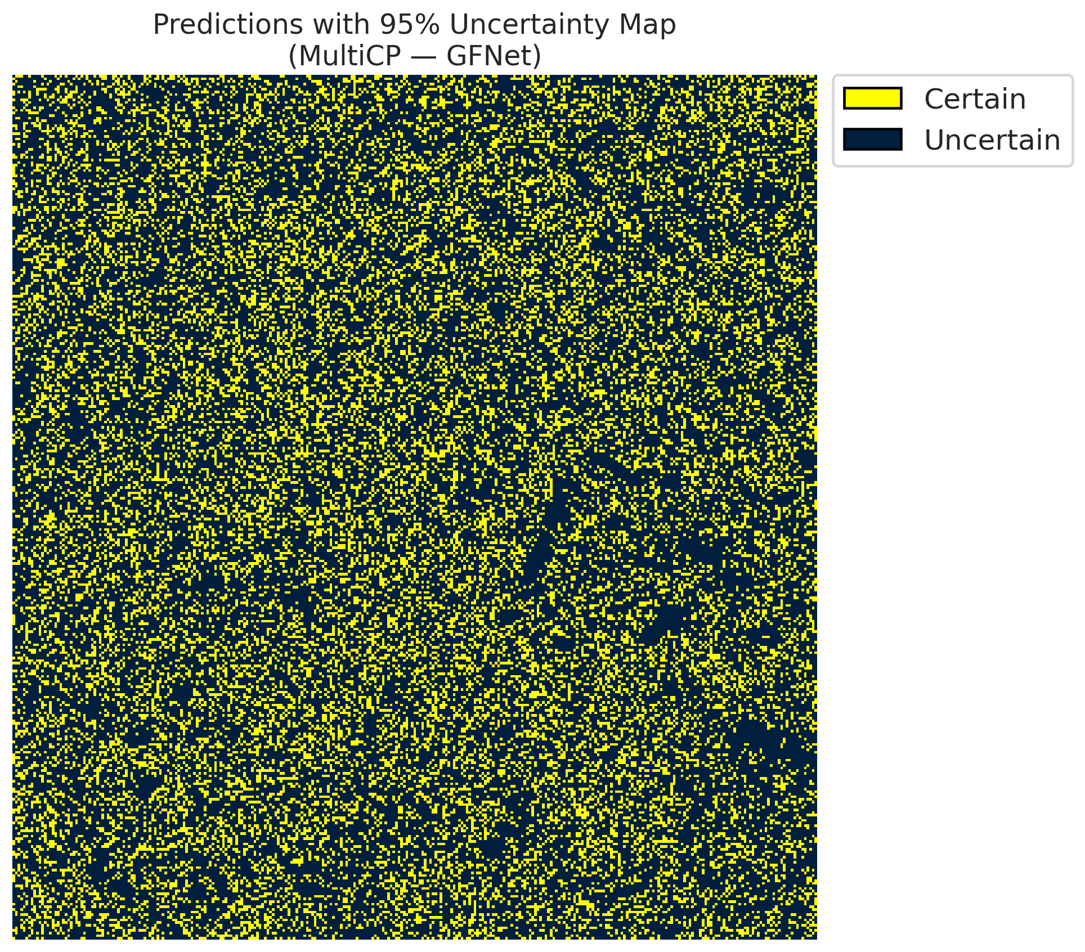
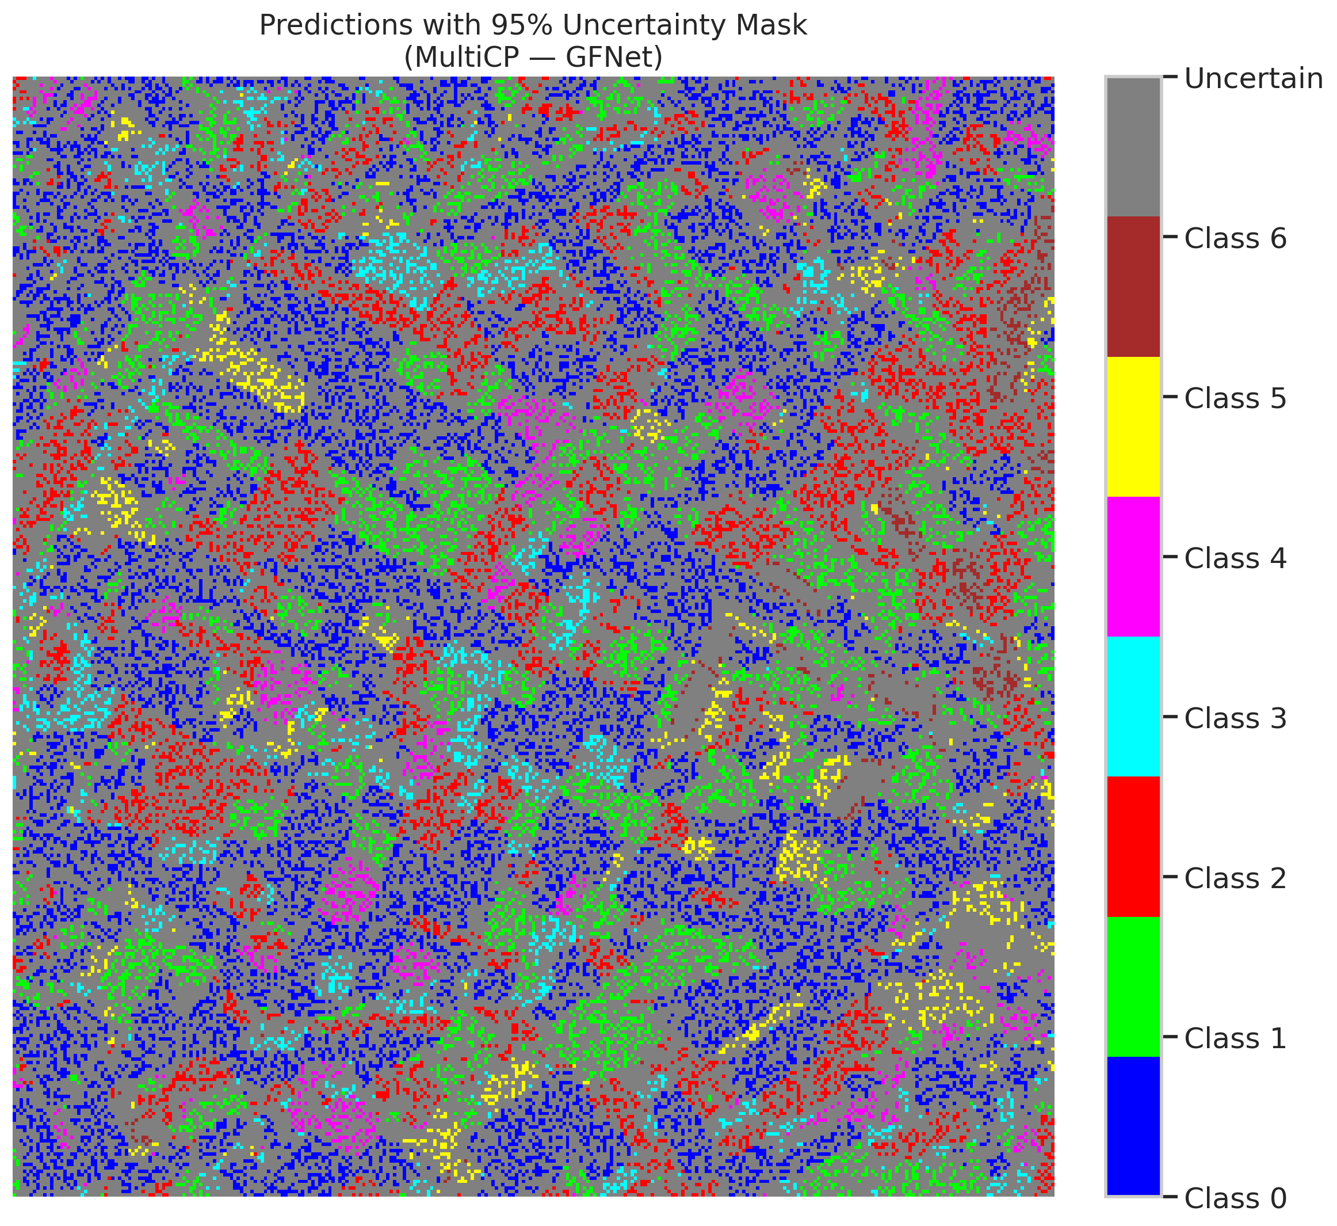
13 | 0.7942 | 0.4751 | 100 | 0.94339622642 | 0
14 | 0.73 | 0.5352 | 51 | 0.48113207547 | 5
15 | 0.4725 | 0.2398 | 72 | 0.67924528302 | 0
16 | 0.535 | 0.5444 | 50 | 0.47169811321 | 1
17 | 0.3396 | 0.9657 | 55 | 0.51886792453 | 0
18 | 0.6499 | 0.1544 | 44 | 0.41509433962 | 2
19 | 0.8826 | 0.7604 | 34 | 0.32075471698 | 3
20 | 0.2248 | 0.6291 | 42 | 0.39622641509 | 0
21 | 0.6689 | 0.6302 | 23 | 0.21698113208 | 4
22 | 0.6318 | 0.9716 | 64 | 0.60377358491 | 0
23 | 0.8483 | 0.888 | 77 | 0.72641509434 | 0
24 | 0.8633 | 0.4822 | 56 | 0.52830188679 | 1
25 | 0.1036 | 0.8265 | 25 | 0.2358490566 | 2
26 | 0.313 | 0.5776 | 85 | 0.80188679245 | 4
27 | 0.6902 | 0.8179 | 97 | 0.91509433962 | 1
28 | 0.7473 | 0.338 | 78 | 0.7358490566 | 0
29 | 0.1042 | 0.4959 | 90 | 0.84905660377 | 3
30 | 0.6671 | 0.2443 | 99 | 0.93396226415 | 0
31 | 0.0497 | 0.226 | 41 | 0.38679245283 | 1
32 | 0.2821 | 0.3614 | 6 | 0.056603773585 | 6
33 | 0.6699 | 0.4397 | 0 | 0 | 0
34 | 0.4047 | 0.5443 | 87 | 0.82075471698 | 5
35 | 0.6757 | 0.8836 | 63 | 0.59433962264 | 2
36 | 0.3988 | 0.731 | 103 | 0.97169811321 | 5
37 | 0.0796 | 0.4547 | 59 | 0.55660377358 | 2
38 | 0.8784 | 0.4406 | 88 | 0.83018867925 | 4
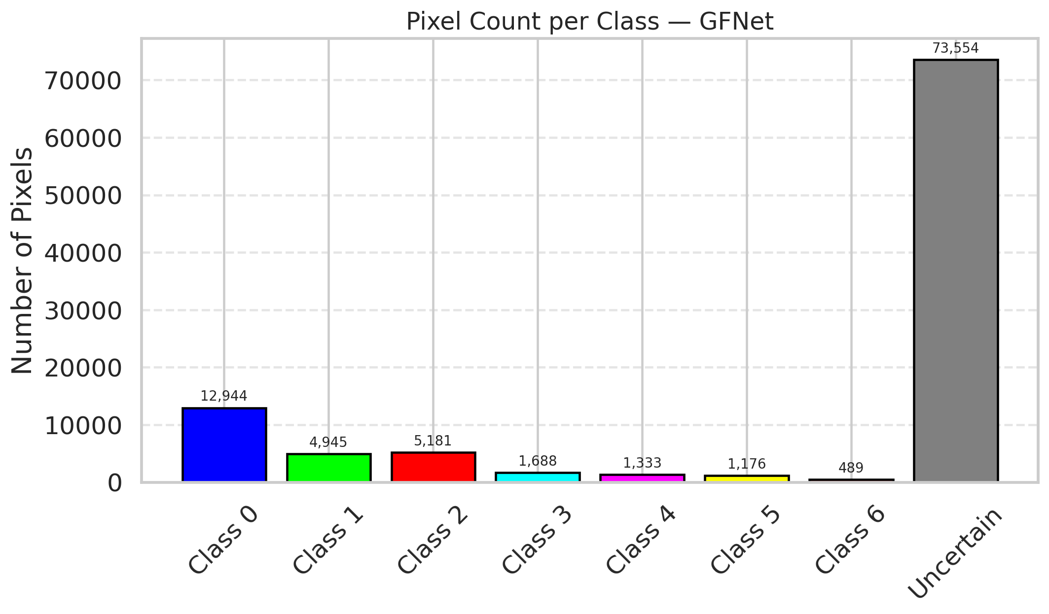
39 | 0.4386 | 0.7115 | 89 | 0.83962264151 | 1
40 | 0.3095 | 0.1016 | 30 | 0.28301886792 | 0
41 | 0.4709 | 0.837 | 80 | 0.75471698113 | 0
42 | 0.6636 | 0.3636 | 86 | 0.81132075472 | 0
43 | 0.2926 | 0.7458 | 75 | 0.70754716981 | 0
44 | 0.7324 | 0.7773 | 10 | 0.094339622642 | 0
45 | 0.0408 | 0.0959 | 22 | 0.20754716981 | 0
46 | 0.5617 | 0.1813 | 40 | 0.37735849057 | 0
47 | 0.3303 | 0.417 | 28 | 0.2641509434 | 1
48 | 0.7397 | 0.0342 | 27 | 0.25471698113 | 0
49 | 0.8281 | 0.0117 | 58 | 0.54716981132 | 2
50 | 0.9304 | 0.5638 | 81 | 0.7641509434 | 0
51 | 0.8503 | 0.8005 | 8 | 0.075471698113 | 0
52 | 0.4491 | 0.2318 | 106 | 1 | 6
53 | 0.6557 | 0.1766 | 43 | 0.40566037736 | 3
54 | 0.4959 | 0.8279 | 46 | 0.43396226415 | 0
55 | 0.6873 | 0.6034 | 67 | 0.6320754717 | 6
56 | 0.2889 | 0.6327 | 74 | 0.69811320755 | 2
57 | 0.7567 | 0.0644 | 91 | 0.85849056604 | 2
58 | 0.9807 | 0.1543 | 18 | 0.16981132075 | 0
59 | 0.2382 | 0.7726 | 61 | 0.57547169811 | 2
60 | 0.9005 | 0.0907 | 71 | 0.66981132075 | 3
61 | 0.9014 | 0.1188 | 101 | 0.95283018868 | 2
62 | 0.2674 | 0.5554 | 3 | 0.028301886792 | 1
63 | 0.7318 | 0.3706 | 39 | 0.3679245283 | 0
64 | 0.7153 | 0.1978 | 68 | 0.64150943396 | 1
65 | 0.3075 | 0.5321 | 105 | 0.99056603774 | 0
66 | 0.1773 | 0.0562 | 52 | 0.49056603774 | 0
67 | 0.1296 | 0.5499 | 9 | 0.084905660377 | 2
68 | 0.4574 | 0.3247 | 38 | 0.35849056604 | 0
69 | 0.0022 | 0.1092 | 96 | 0.90566037736 | 0
70 | 0.6678 | 0.7332 | 36 | 0.33962264151 | 1
71 | 0.3374 | 0.3068 | 60 | 0.56603773585 | 5
72 | 0.6147 | 0.9561 | 66 | 0.62264150943 | 2
73 | 0.076 | 0.6519 | 2 | 0.018867924528 | 0
74 | 0.5961 | 0.1697 | 32 | 0.30188679245 | 2
75 | 0.5763 | 0.7192 | 14 | 0.1320754717 | 5
76 | 0.681 | 0.0996 | 16 | 0.15094339623 | 1
77 | 0.9821 | 0.7648 | 48 | 0.45283018868 | 3
78 | 0.3002 | 0.753 | 29 | 0.27358490566 | 0
79 | 0.4373 | 0.7959 | 12 | 0.11320754717 | 0
80 | 0.2735 | 0.0875 | 13 | 0.12264150943 | 1
81 | 0.1831 | 0.7407 | 92 | 0.8679245283 | 1
82 | 0.7897 | 0.0156 | 1 | 0.0094339622642 | 6
83 | 0.8111 | 0.7303 | 26 | 0.24528301887 | 1
84 | 0.9411 | 0.8729 | 47 | 0.44339622642 | 1
85 | 0.207 | 0.3273 | 69 | 0.65094339623 | 2
86 | 0.1967 | 0.9362 | 17 | 0.16037735849 | 0
87 | 0.6619 | 0.5754 | 62 | 0.58490566038 | 0
88 | 0.6003 | 0.6706 | 20 | 0.18867924528 | 0
89 | 0.4662 | 0.4552 | 102 | 0.96226415094 | 1
90 | 0.6074 | 0.6483 | 21 | 0.19811320755 | 2
91 | 0.7633 | 0.1331 | 37 | 0.34905660377 | 0
92 | 0.395 | 0.7408 | 73 | 0.68867924528 | 0
93 | 0.4484 | 0.671 | 53 | 0.5 | 4
94 | 0.8804 | 0.3441 | 31 | 0.29245283019 | 1
95 | 0.7966 | 0.7206 | 94 | 0.88679245283 | 0
96 | 0.1879 | 0.3755 | 65 | 0.61320754717 | 2
97 | 0.7592 | 0.1087 | 98 | 0.92452830189 | 0
98 | 0.2032 | 0.4056 | 15 | 0.14150943396 | 0
99 | 0.9242 | 0.0582 | 93 | 0.87735849057 | 1
100 | 0.2589 | 0.1089 | 82 | 0.77358490566 | 3
101 | 0.0762 | 0.8311 | 33 | 0.31132075472 | 3
102 | 0.7032 | 0.527 | 57 | 0.53773584906 | 6
103 | 0.2877 | 0.4591 | 45 | 0.42452830189 | 0
104 | 0.0247 | 0.4191 | 7 | 0.066037735849 | 4
105 | 0.1328 | 0.7046 | 49 | 0.46226415094 | 1
106 | 0.6525 | 0.5448 | 104 | 0.98113207547 | 0

ViT_UNet_M_RAPS
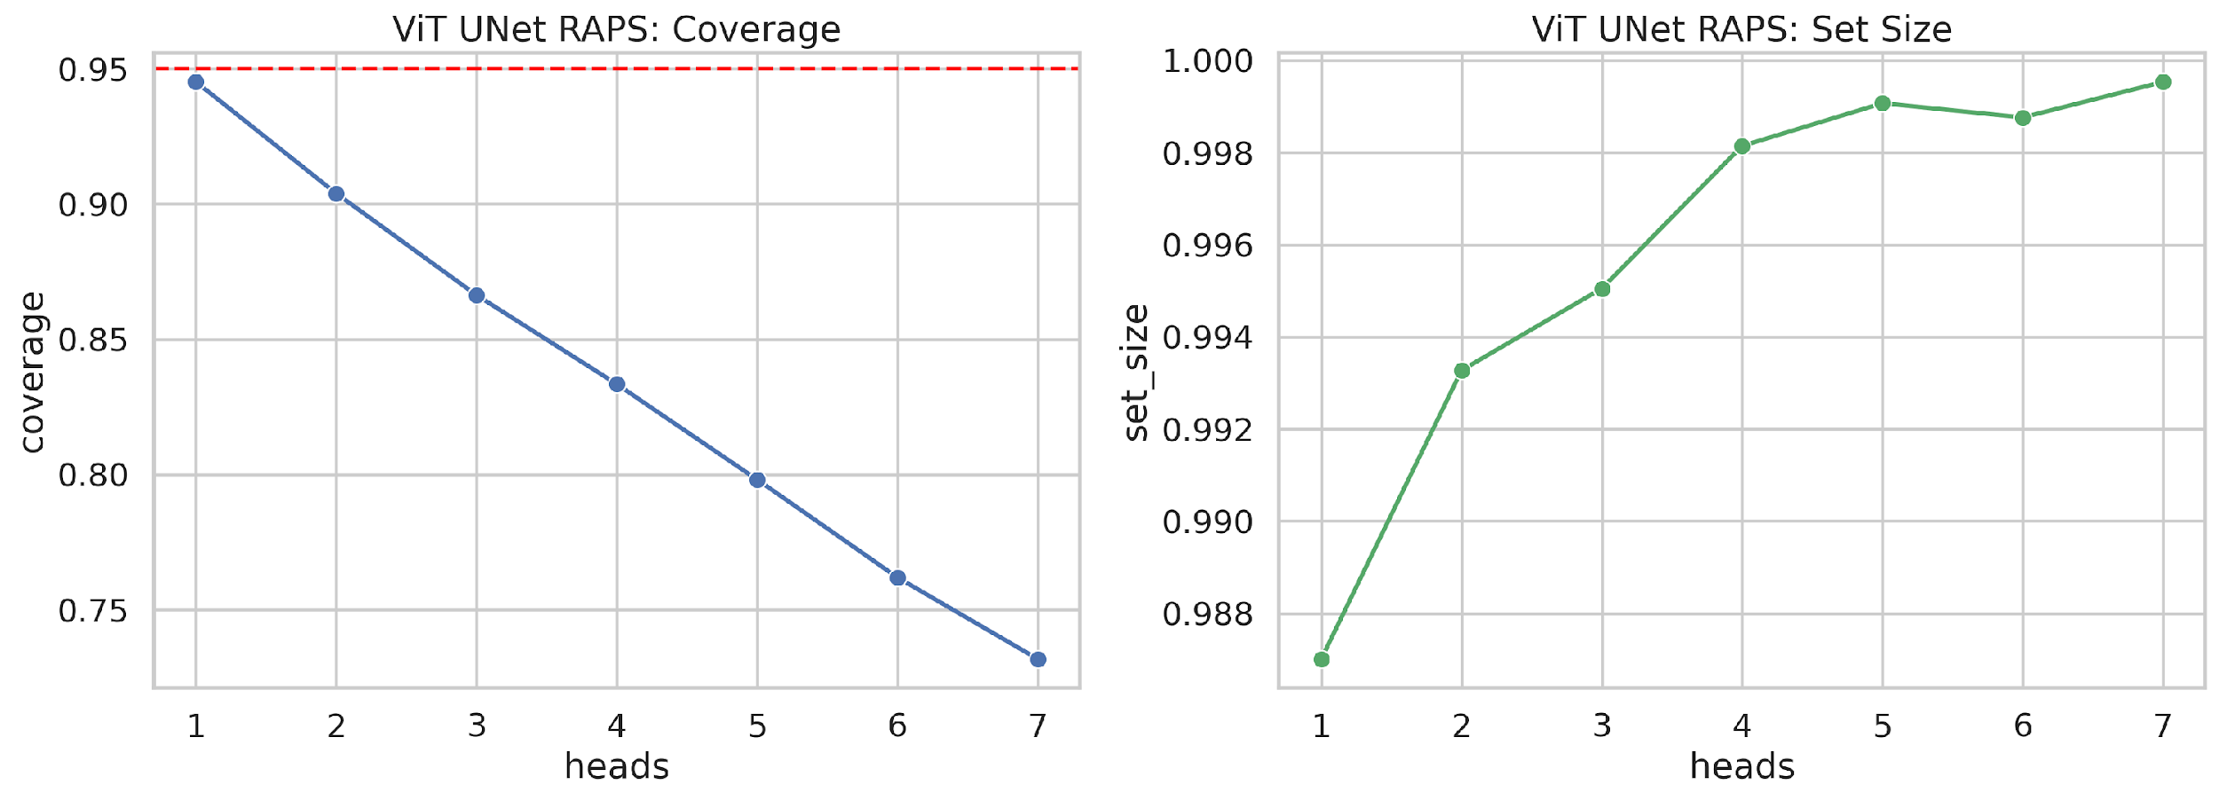
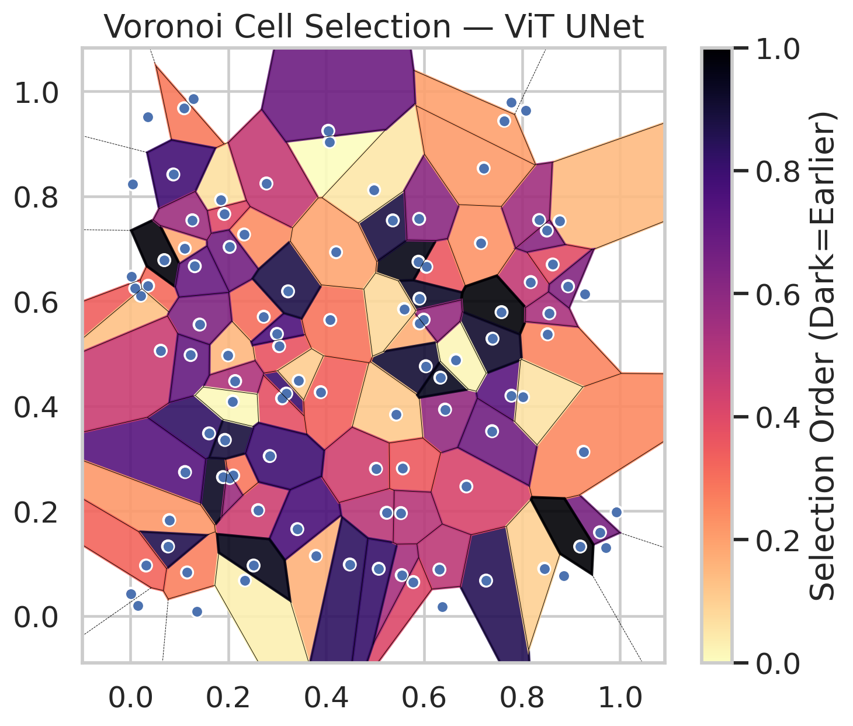
model_key | ViT_UNet_MultiHead
model_name | ViT UNet
scoring_method | RAPS
empirical_coverage | 0.73178654292
avg_set_size | 0.99953596288
scene_coverage | 0.24155486344
scene_avg_set_size | 1.149140379
uncertain_pixel_rate | 0.11708617116
model_path | /content/drive/My Drive/Classification/multicp/models/ViT_UNet_MultiHead_best.keras

heads | coverage | set_size |  |  | Class | Coverage | Class | Pixels
1 | 0.94524361949 | 0.98700696056 |  |  | Class 0 | 0.71881838074 | Class 0 | 39067
2 | 0.90394431555 | 0.99327146172 |  |  | Class 1 | 0.75550660793 | Class 1 | 15755
3 | 0.86635730858 | 0.99505027069 |  |  | Class 2 | 0.74301675978 | Class 2 | 16943
4 | 0.83341067285 | 0.99814385151 |  |  | Class 3 | 0.75 | Class 3 | 7455
5 | 0.79814385151 | 0.99907192575 |  |  | Class 4 | 0.70192307692 | Class 4 | 3789
6 | 0.76194895592 | 0.99876256767 |  |  | Class 5 | 0.70297029703 | Class 5 | 4744
7 | 0.73178654292 | 0.99953596288 |  |  | Class 6 | 0.73529411765 | Class 6 | 1695
 |  |  |  |  |  |  | Uncertain | 11862

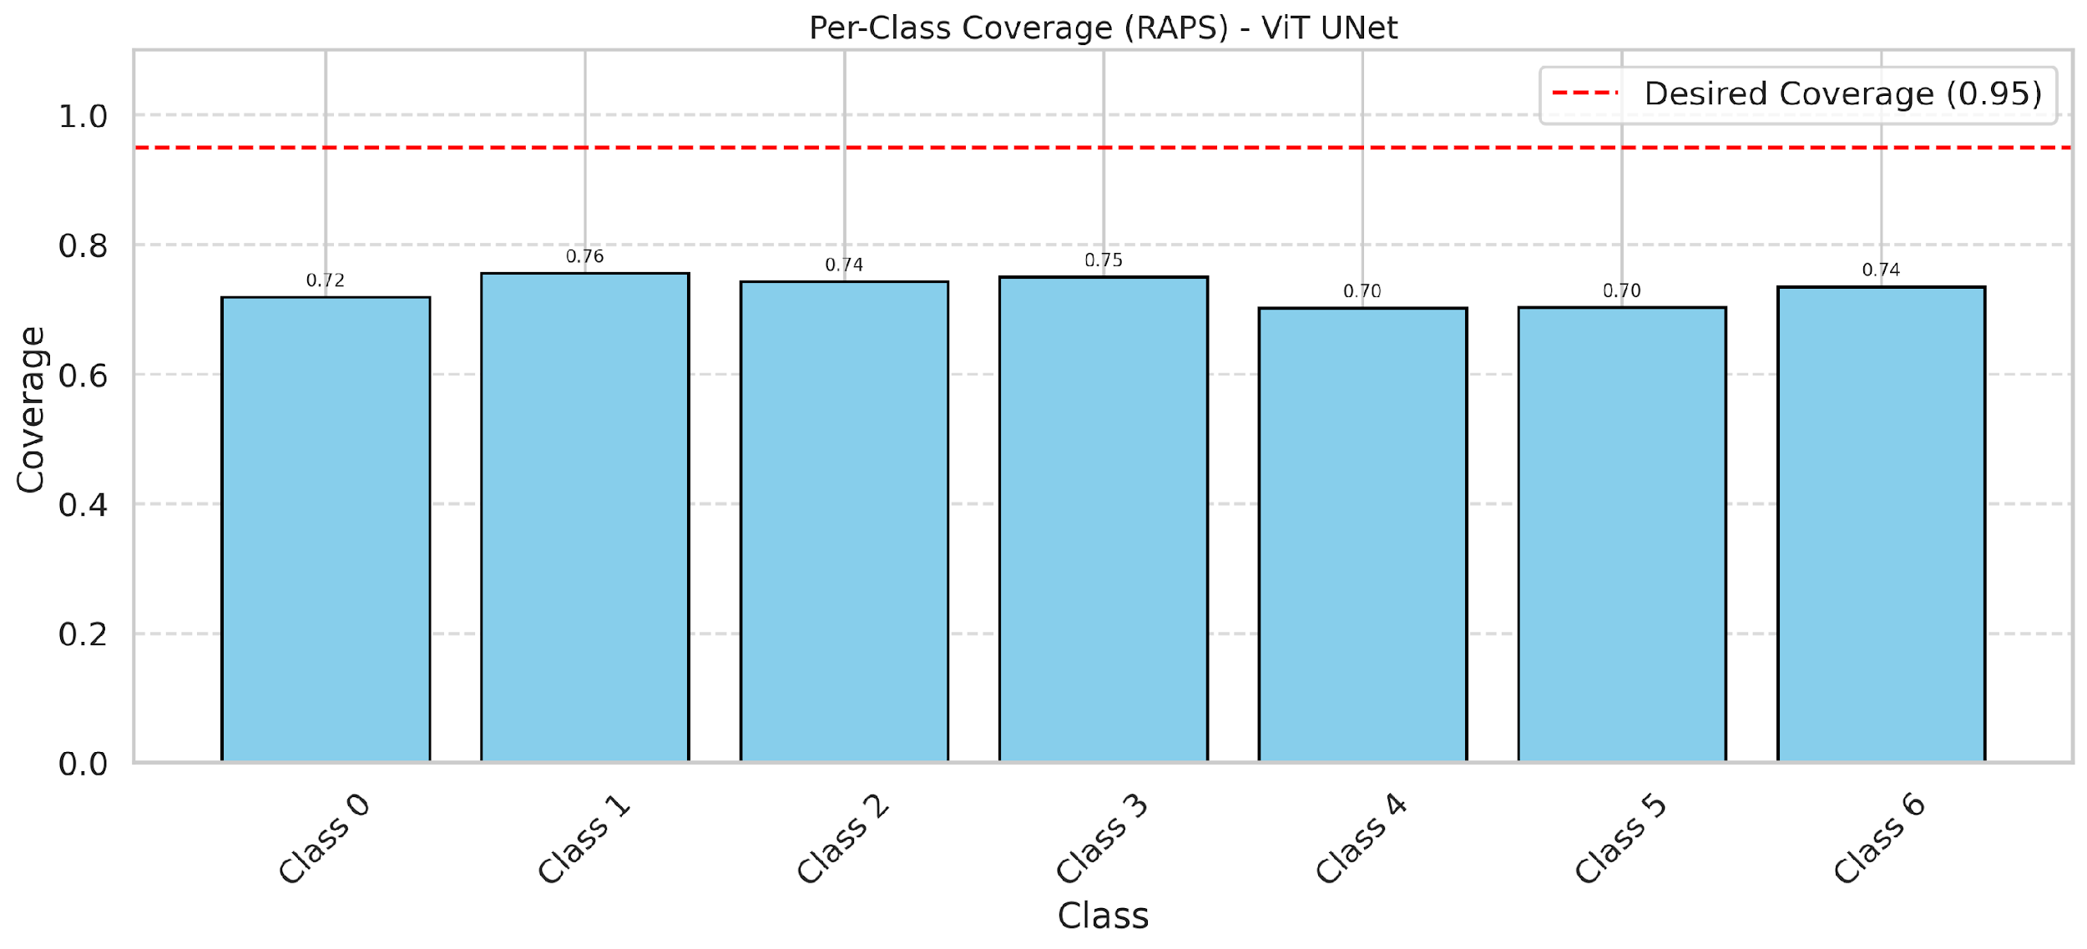

Cell Index | s1 | s2 | Selection_Order | Norm_Order(0-1) | Target
0 | 0.852 | 0.5369 | 27 | 0.25471698113 | 0
1 | 0.2722 | 0.5704 | 32 | 0.30188679245 | 0
2 | 0.2606 | 0.2017 | 47 | 0.44339622642 | 0
3 | 0.8849 | 0.0763 | 45 | 0.42452830189 | 2
4 | 0.9592 | 0.1595 | 69 | 0.65094339623 | 6
5 | 0.3181 | 0.4239 | 85 | 0.80188679245 | 2
6 | 0.1359 | 0.0085 | 13 | 0.12264150943 | 0
7 | 0.4064 | 0.9037 | 0 | 0 | 0
8 | 0.1155 | 0.0829 | 28 | 0.2641509434 | 0
9 | 0.2319 | 0.7271 | 25 | 0.2358490566 | 1
10 | 0.7264 | 0.0674 | 90 | 0.84905660377 | 3
11 | 0.0359 | 0.6295 | 33 | 0.31132075472 | 0
12 | 0.185 | 0.7934 | 7 | 0.066037735849 | 4
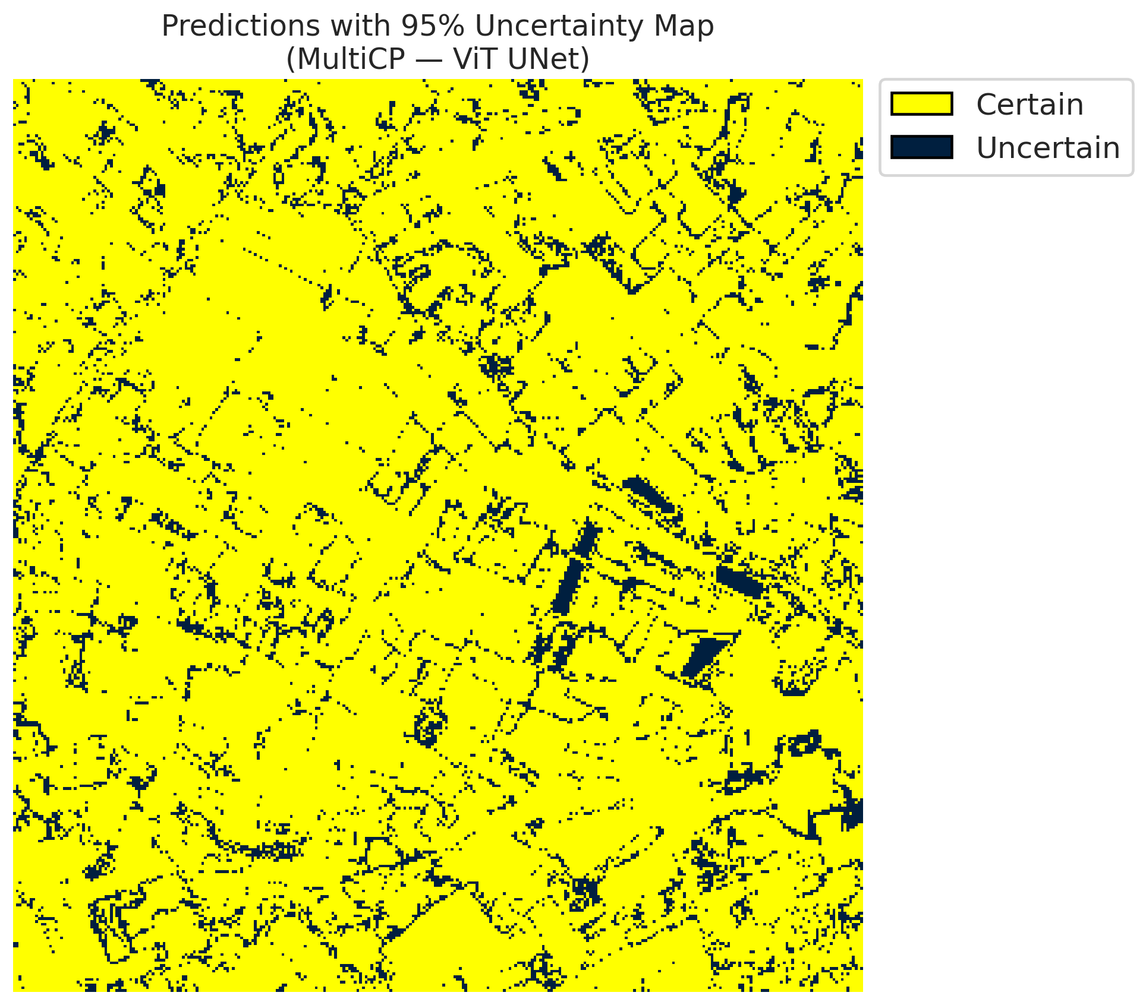
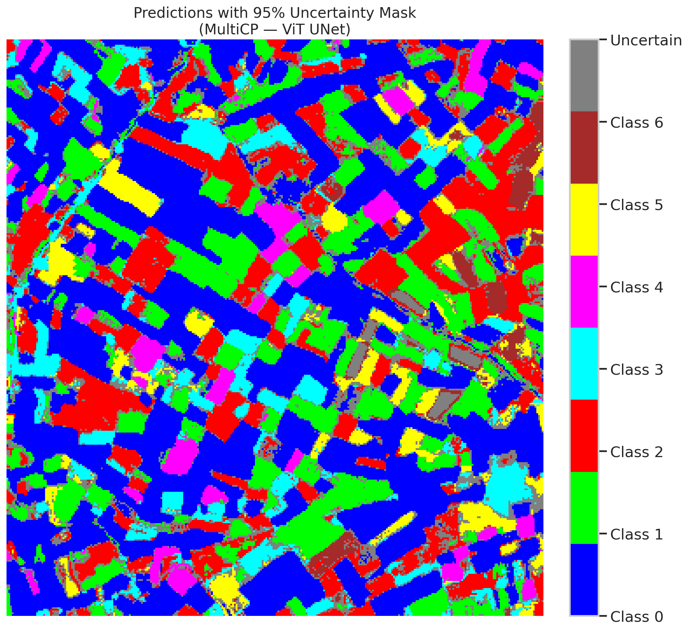
13 | 0.5903 | 0.5577 | 18 | 0.16981132075 | 0
14 | 0.1915 | 0.7663 | 42 | 0.39622641509 | 5
15 | 0.0148 | 0.0202 | 4 | 0.037735849057 | 0
16 | 0.6044 | 0.6655 | 38 | 0.35849056604 | 1
17 | 0.5883 | 0.6752 | 102 | 0.96226415094 | 0
18 | 0.6033 | 0.476 | 96 | 0.90566037736 | 2
19 | 0.6862 | 0.2469 | 44 | 0.41509433962 | 3
20 | 0.5359 | 0.754 | 93 | 0.87735849057 | 0
21 | 0.3786 | 0.1145 | 17 | 0.16037735849 | 4
22 | 0.3035 | 0.5143 | 39 | 0.3679245283 | 0
23 | 0.9253 | 0.3129 | 26 | 0.24528301887 | 0
24 | 0.0096 | 0.6243 | 36 | 0.33962264151 | 1
25 | 0.6426 | 0.3934 | 62 | 0.58490566038 | 2
26 | 0.1994 | 0.4968 | 16 | 0.15094339623 | 4
27 | 0.7778 | 0.9789 | 79 | 0.74528301887 | 1
28 | 0.0044 | 0.8227 | 63 | 0.59433962264 | 0
29 | 0.1889 | 0.2647 | 99 | 0.93396226415 | 3
30 | 0.1109 | 0.7008 | 19 | 0.17924528302 | 0
31 | 0.6311 | 0.0884 | 51 | 0.48113207547 | 1
32 | 0.8177 | 0.6364 | 50 | 0.47169811321 | 6
33 | 0.2991 | 0.5376 | 80 | 0.75471698113 | 0
34 | 0.6374 | 0.0175 | 9 | 0.084905660377 | 5
35 | 0.3096 | 0.4148 | 40 | 0.37735849057 | 2
36 | 0.5233 | 0.1967 | 52 | 0.49056603774 | 5
37 | 0.3885 | 0.4266 | 35 | 0.33018867925 | 2
38 | 0.8075 | 0.9637 | 68 | 0.64150943396 | 4
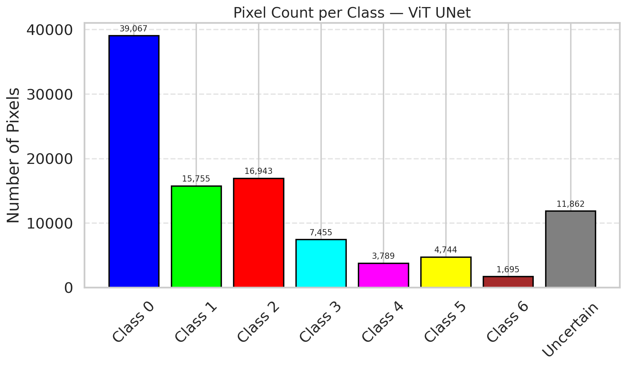
39 | 0.4977 | 0.8121 | 5 | 0.047169811321 | 1
40 | 0.3407 | 0.1655 | 81 | 0.7641509434 | 0
41 | 0.5425 | 0.3838 | 12 | 0.11320754717 | 0
42 | 0.7783 | 0.4199 | 77 | 0.72641509434 | 0
43 | 0.633 | 0.4543 | 100 | 0.94339622642 | 0
44 | 0.8767 | 0.7524 | 15 | 0.14150943396 | 0
45 | 0.7159 | 0.7108 | 24 | 0.22641509434 | 0
46 | 0.0352 | 0.9509 | 82 | 0.77358490566 | 0
47 | 0.8625 | 0.6699 | 41 | 0.38679245283 | 1
48 | 0.1604 | 0.348 | 87 | 0.82075471698 | 0
49 | 0.2138 | 0.4477 | 55 | 0.51886792453 | 2
50 | 0.7635 | 0.9439 | 21 | 0.19811320755 | 0
51 | 0.9282 | 0.6131 | 76 | 0.71698113208 | 0
52 | 0.5897 | 0.7569 | 64 | 0.60377358491 | 6
53 | 0.1094 | 0.9677 | 29 | 0.27358490566 | 3
54 | 0.0017 | 0.6468 | 103 | 0.97169811321 | 0
55 | 0.5777 | 0.0646 | 43 | 0.40566037736 | 6
56 | 0.1113 | 0.2743 | 78 | 0.7358490566 | 2
57 | 0.0205 | 0.6104 | 14 | 0.1320754717 | 2
58 | 0.9931 | 0.1984 | 95 | 0.89622641509 | 0
59 | 0.5903 | 0.6049 | 98 | 0.92452830189 | 2
60 | 0.2337 | 0.0678 | 3 | 0.028301886792 | 3
61 | 0.0791 | 0.1827 | 23 | 0.21698113208 | 2
62 | 0.7581 | 0.5791 | 105 | 0.99056603774 | 1
63 | 0.7395 | 0.5285 | 97 | 0.91509433962 | 0
64 | 0.069 | 0.6782 | 104 | 0.98113207547 | 1
65 | 0.2776 | 0.8244 | 49 | 0.46226415094 | 0
66 | 0.0766 | 0.1326 | 91 | 0.85849056604 | 0
67 | 0.5015 | 0.2806 | 46 | 0.43396226415 | 2
68 | 0.404 | 0.9248 | 72 | 0.67924528302 | 0
69 | 0.4081 | 0.5642 | 31 | 0.29245283019 | 0
70 | 0.1411 | 0.5554 | 67 | 0.6320754717 | 1
71 | 0.8505 | 0.7346 | 65 | 0.61320754717 | 5
72 | 0.2098 | 0.2677 | 30 | 0.28301886792 | 2
73 | 0.8453 | 0.0902 | 10 | 0.094339622642 | 0
74 | 0.0617 | 0.5056 | 48 | 0.45283018868 | 2
75 | 0.2514 | 0.0961 | 101 | 0.95283018868 | 5
76 | 0.2025 | 0.7034 | 70 | 0.66037735849 | 1
77 | 0.8557 | 0.5769 | 56 | 0.52830188679 | 3
78 | 0.0874 | 0.8415 | 83 | 0.78301886792 | 0
79 | 0.2026 | 0.263 | 60 | 0.56603773585 | 0
80 | 0.6645 | 0.488 | 2 | 0.018867924528 | 1
81 | 0.8348 | 0.7546 | 58 | 0.54716981132 | 1
82 | 0.448 | 0.0981 | 88 | 0.83018867925 | 6
83 | 0.1313 | 0.6667 | 73 | 0.68867924528 | 1
84 | 0.0316 | 0.0961 | 34 | 0.32075471698 | 1
85 | 0.7215 | 0.8535 | 22 | 0.20754716981 | 2
86 | 0.7388 | 0.3522 | 71 | 0.66981132075 | 0
87 | 0.8939 | 0.6285 | 66 | 0.62264150943 | 0
88 | 0.1228 | 0.4974 | 74 | 0.69811320755 | 0
89 | 0.0004 | 0.0423 | 75 | 0.70754716981 | 1
90 | 0.9187 | 0.1324 | 106 | 1 | 2
91 | 0.3218 | 0.6187 | 92 | 0.8679245283 | 0
92 | 0.5989 | 0.5649 | 61 | 0.57547169811 | 0
93 | 0.1927 | 0.3355 | 94 | 0.88679245283 | 4
94 | 0.209 | 0.4091 | 1 | 0.0094339622642 | 1
95 | 0.2844 | 0.3048 | 84 | 0.79245283019 | 0
96 | 0.5564 | 0.2812 | 37 | 0.34905660377 | 2
97 | 0.1284 | 0.9855 | 89 | 0.83962264151 | 0
98 | 0.4199 | 0.6934 | 20 | 0.18867924528 | 0
99 | 0.5541 | 0.0779 | 57 | 0.53773584906 | 1
100 | 0.5071 | 0.09 | 86 | 0.81132075472 | 3
101 | 0.5589 | 0.585 | 8 | 0.075471698113 | 3
102 | 0.8021 | 0.4175 | 6 | 0.056603773585 | 6
103 | 0.9718 | 0.1296 | 54 | 0.50943396226 | 0
104 | 0.1264 | 0.7542 | 59 | 0.55660377358 | 4
105 | 0.3434 | 0.4483 | 11 | 0.10377358491 | 1
106 | 0.5524 | 0.1961 | 53 | 0.5 | 0

ViT_UNet_M_SAPS
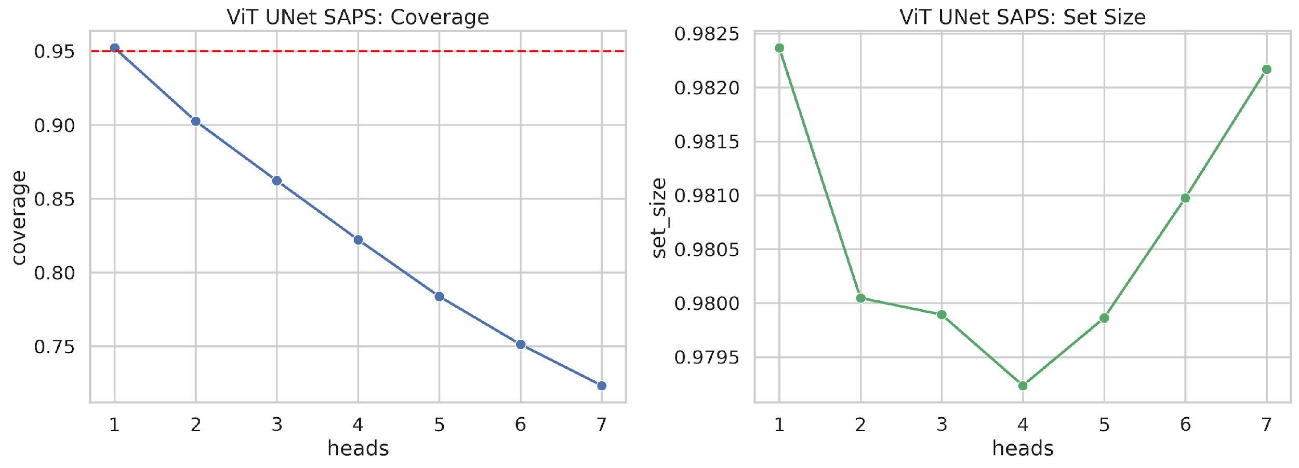
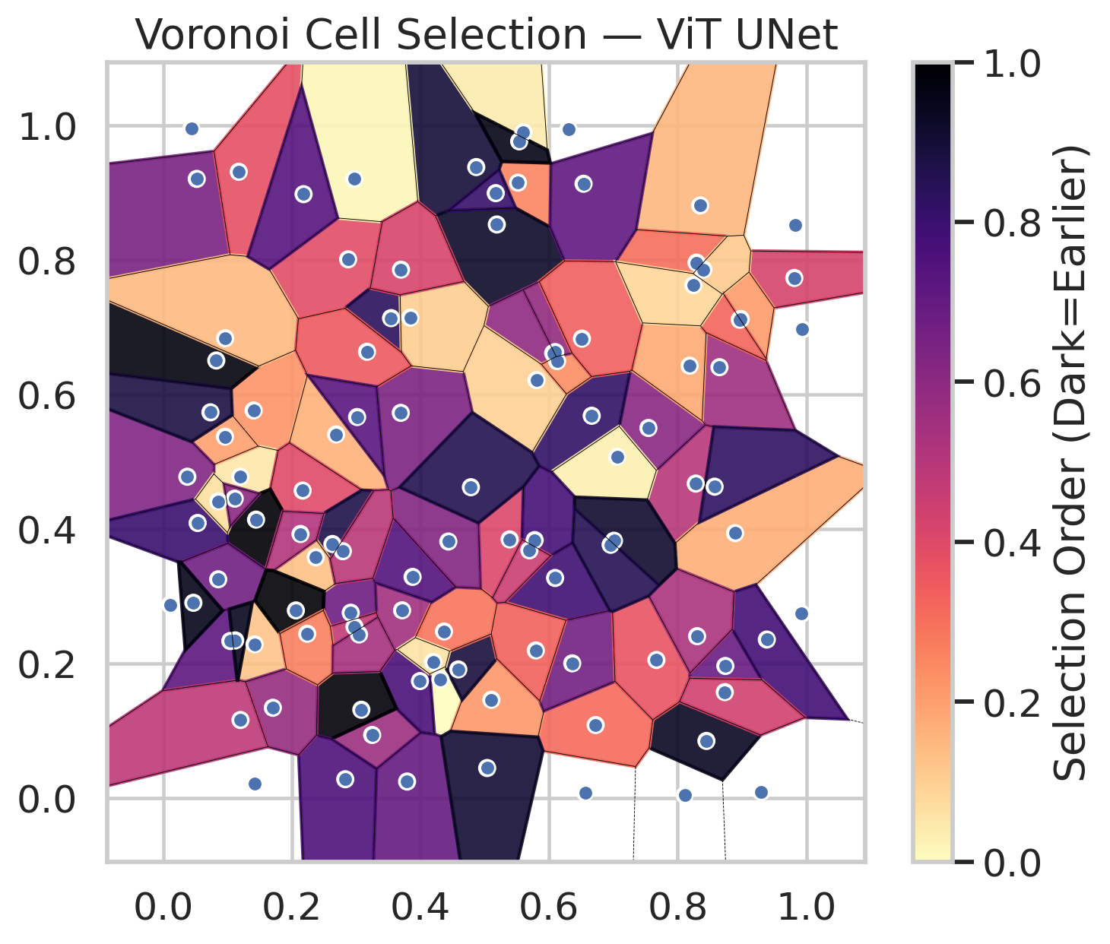
model_key | ViT_UNet_MultiHead
model_name | ViT UNet
scoring_method | SAPS
empirical_coverage | 0.72343387471
avg_set_size | 0.98216771627
scene_coverage | 0.23316962147
scene_avg_set_size | 1.0823313755
uncertain_pixel_rate | 0.11689862797
model_path | /content/drive/My Drive/Classification/multicp/models/ViT_UNet_MultiHead_best.keras

heads | coverage | set_size |  |  | Class | Coverage | Class | Pixels
1 | 0.95220417633 | 0.98236658933 |  |  | Class 0 | 0.71444201313 | Class 0 | 39122
2 | 0.90255220418 | 0.98004640371 |  |  | Class 1 | 0.72246696035 | Class 1 | 15572
3 | 0.86218097448 | 0.97989172467 |  |  | Class 2 | 0.74022346369 | Class 2 | 17003
4 | 0.8222737819 | 0.97923433875 |  |  | Class 3 | 0.72435897436 | Class 3 | 7570
5 | 0.7837587007 | 0.97986078886 |  |  | Class 4 | 0.73076923077 | Class 4 | 3775
6 | 0.75127610209 | 0.98097447796 |  |  | Class 5 | 0.74257425743 | Class 5 | 4749
7 | 0.72343387471 | 0.98216771627 |  |  | Class 6 | 0.72058823529 | Class 6 | 1676
 |  |  |  |  |  |  | Uncertain | 11843

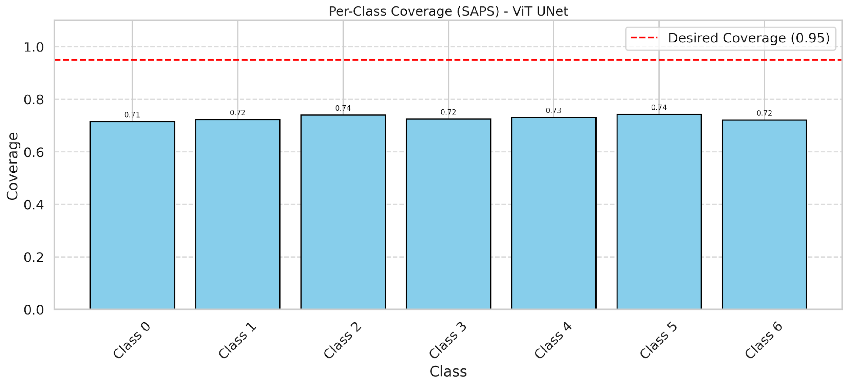

Cell Index | s1 | s2 | Selection_Order | Norm_Order(0-1) | Target
0 | 0.5517 | 0.9149 | 27 | 0.25471698113 | 0
1 | 0.828 | 0.4673 | 53 | 0.5 | 0
2 | 0.4311 | 0.1761 | 0 | 0 | 0
3 | 0.325 | 0.0934 | 60 | 0.56603773585 | 2
4 | 0.7544 | 0.55 | 65 | 0.61320754717 | 6
5 | 0.5188 | 0.8527 | 98 | 0.92452830189 | 2
6 | 0.1422 | 0.2282 | 13 | 0.12264150943 | 0
7 | 0.8446 | 0.0845 | 99 | 0.93396226415 | 0
8 | 0.3715 | 0.2788 | 58 | 0.54716981132 | 0
9 | 0.3793 | 0.0241 | 74 | 0.69811320755 | 1
10 | 0.4868 | 0.9381 | 95 | 0.89622641509 | 3
11 | 0.6724 | 0.1081 | 33 | 0.31132075472 | 0
12 | 0.5387 | 0.3843 | 43 | 0.40566037736 | 4


13 | 0.8109 | 0.0039 | 55 | 0.51886792453 | 0
14 | 0.656 | 0.0077 | 1 | 0.0094339622642 | 5
15 | 0.0523 | 0.9205 | 69 | 0.65094339623 | 0
16 | 0.9812 | 0.7732 | 45 | 0.42452830189 | 1
17 | 0.8891 | 0.3936 | 18 | 0.16981132075 | 0
18 | 0.8349 | 0.881 | 16 | 0.15094339623 | 2
19 | 0.1045 | 0.2331 | 76 | 0.71698113208 | 3
20 | 0.5103 | 0.1457 | 23 | 0.21698113208 | 0
21 | 0.4589 | 0.1909 | 94 | 0.88679245283 | 4
22 | 0.6094 | 0.3269 | 84 | 0.79245283019 | 0
23 | 0.5601 | 0.9899 | 4 | 0.037735849057 | 0
24 | 0.636 | 0.1999 | 70 | 0.66037735849 | 1
25 | 0.6302 | 0.9949 | 20 | 0.18867924528 | 2
26 | 0.7669 | 0.2049 | 39 | 0.3679245283 | 4
27 | 0.8292 | 0.796 | 32 | 0.30188679245 | 1
28 | 0.3993 | 0.1735 | 81 | 0.7641509434 | 0
29 | 0.6663 | 0.5682 | 87 | 0.82075471698 | 3
30 | 0.6064 | 0.6613 | 63 | 0.59433962264 | 0
31 | 0.1407 | 0.576 | 24 | 0.22641509434 | 1
32 | 0.1176 | 0.9311 | 40 | 0.37735849057 | 6
33 | 0.1422 | 0.0214 | 29 | 0.27358490566 | 0
34 | 0.12 | 0.4775 | 5 | 0.047169811321 | 5
35 | 0.8649 | 0.6404 | 59 | 0.55660377358 | 2
36 | 0.5794 | 0.2191 | 35 | 0.33018867925 | 5
37 | 0.2876 | 0.8009 | 41 | 0.38679245283 | 2
38 | 0.5805 | 0.6212 | 10 | 0.094339622642 | 4

39 | 0.0827 | 0.6504 | 103 | 0.97169811321 | 1
40 | 0.2972 | 0.9204 | 2 | 0.018867924528 | 0
41 | 0.4367 | 0.2473 | 31 | 0.29245283019 | 0
42 | 0.7057 | 0.5071 | 3 | 0.028301886792 | 0
43 | 0.6124 | 0.6494 | 25 | 0.2358490566 | 0
44 | 0.4198 | 0.2019 | 6 | 0.056603773585 | 0
45 | 0.874 | 0.196 | 73 | 0.68867924528 | 0
46 | 0.8979 | 0.7121 | 22 | 0.20754716981 | 0
47 | 0.269 | 0.5404 | 17 | 0.16037735849 | 1
48 | 0.3695 | 0.5725 | 68 | 0.64150943396 | 0
49 | 0.3878 | 0.3285 | 79 | 0.74528301887 | 2
50 | 0.2169 | 0.4569 | 42 | 0.39622641509 | 0
51 | 0.9299 | 0.0086 | 38 | 0.35849056604 | 0
52 | 0.0962 | 0.5371 | 21 | 0.19811320755 | 6
53 | 0.9937 | 0.6966 | 26 | 0.24528301887 | 3
54 | 0.6536 | 0.9133 | 75 | 0.70754716981 | 0
55 | 0.9926 | 0.2738 | 30 | 0.28301886792 | 6
56 | 0.5776 | 0.3832 | 82 | 0.77358490566 | 2
57 | 0.1445 | 0.4137 | 106 | 1 | 2
58 | 0.9385 | 0.2353 | 83 | 0.78301886792 | 0
59 | 0.5694 | 0.368 | 48 | 0.45283018868 | 2
60 | 0.5535 | 0.9764 | 102 | 0.96226415094 | 3
61 | 0.0377 | 0.4775 | 67 | 0.6320754717 | 2
62 | 0.6095 | 0.6629 | 62 | 0.58490566038 | 1
63 | 0.2917 | 0.2752 | 72 | 0.67924528302 | 0
64 | 0.0965 | 0.6835 | 15 | 0.14150943396 | 1
65 | 0.8399 | 0.7857 | 12 | 0.11320754717 | 0
66 | 0.3082 | 0.1309 | 104 | 0.98113207547 | 0
67 | 0.2633 | 0.3774 | 92 | 0.8679245283 | 2
68 | 0.8185 | 0.6426 | 19 | 0.17924528302 | 0
69 | 0.5038 | 0.0442 | 96 | 0.90566037736 | 0
70 | 0.8301 | 0.2403 | 56 | 0.52830188679 | 1
71 | 0.4434 | 0.3811 | 66 | 0.62264150943 | 5
72 | 0.0537 | 0.4087 | 85 | 0.80188679245 | 2
73 | 0.086 | 0.4409 | 7 | 0.066037735849 | 0
74 | 0.9821 | 0.852 | 8 | 0.075471698113 | 2
75 | 0.2832 | 0.0275 | 80 | 0.75471698113 | 5
76 | 0.2373 | 0.3576 | 14 | 0.1320754717 | 1
77 | 0.7009 | 0.3823 | 97 | 0.91509433962 | 3
78 | 0.1113 | 0.4449 | 64 | 0.60377358491 | 0
79 | 0.0857 | 0.3249 | 71 | 0.66981132075 | 0
80 | 0.0109 | 0.2871 | 47 | 0.44339622642 | 1
81 | 0.8963 | 0.711 | 34 | 0.32075471698 | 1
82 | 0.2976 | 0.2544 | 50 | 0.47169811321 | 6
83 | 0.0471 | 0.29 | 101 | 0.95283018868 | 1
84 | 0.3544 | 0.7134 | 89 | 0.83962264151 | 1
85 | 0.8573 | 0.4627 | 88 | 0.83018867925 | 2
86 | 0.1706 | 0.1338 | 61 | 0.57547169811 | 0
87 | 0.2184 | 0.8978 | 78 | 0.7358490566 | 0
88 | 0.1203 | 0.1156 | 51 | 0.48113207547 | 0
89 | 0.6957 | 0.3763 | 90 | 0.84905660377 | 1
90 | 0.2136 | 0.3923 | 54 | 0.50943396226 | 2
91 | 0.2064 | 0.2786 | 105 | 0.99056603774 | 0
92 | 0.8732 | 0.1571 | 46 | 0.43396226415 | 0
93 | 0.3842 | 0.7141 | 11 | 0.10377358491 | 4
94 | 0.0438 | 0.9953 | 49 | 0.46226415094 | 1
95 | 0.317 | 0.6634 | 37 | 0.34905660377 | 0
96 | 0.0736 | 0.5733 | 93 | 0.87735849057 | 2
97 | 0.3016 | 0.5663 | 77 | 0.72641509434 | 0
98 | 0.6511 | 0.6829 | 36 | 0.33962264151 | 0
99 | 0.8244 | 0.7626 | 9 | 0.084905660377 | 1
100 | 0.4785 | 0.4619 | 91 | 0.85849056604 | 3
101 | 0.1121 | 0.234 | 100 | 0.94339622642 | 3
102 | 0.2794 | 0.3667 | 52 | 0.49056603774 | 6
103 | 0.2241 | 0.2439 | 28 | 0.2641509434 | 0
104 | 0.3046 | 0.2429 | 57 | 0.53773584906 | 4
105 | 0.3698 | 0.7855 | 44 | 0.41509433962 | 1
106 | 0.5171 | 0.8993 | 86 | 0.81132075472 | 0

