SACP_AlexNet
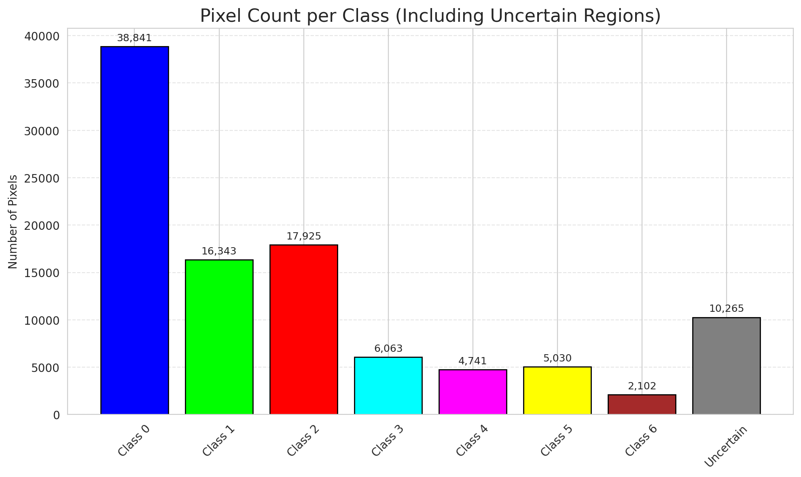
SACP - AlexNet |  |  |  |  |  |  |  |  | Per-Class Coverage
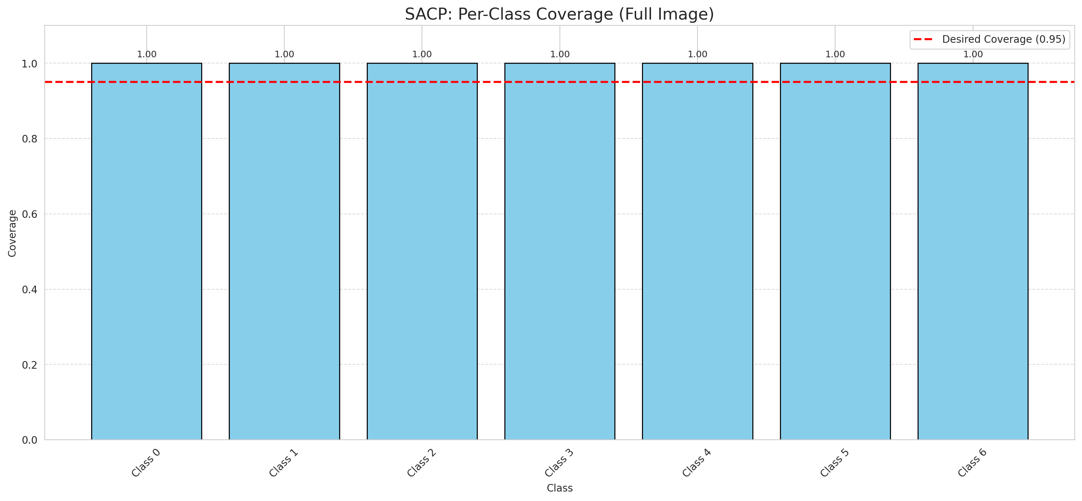
Summary
model_name | method | window_size | target_coverage | empirical_coverage | avg_set_size | median_set_size | singleton_rate | empty_set_rate | runtime_sec | alpha | lambda | k | q_hat | mean_per_class_coverage
AlexNet | SACP | 3 | 0.95 | 1 | 1.0009280742 | 1 | 0.99907192575 | 0 | 51.893246109 | 0.05 | 0.5 | 1 | 0.85201551666 | 1

Per-Class Coverage Values
class_id | class_coverage | support_count
0 | 1 | 914
1 | 1 | 454
2 | 1 | 358
3 | 1 | 156
4 | 1 | 104
5 | 1 | 101
6 | 1 | 68

Pixel Counts
class_id | label | pixel_count
0 | Class 0 | 38841
1 | Class 1 | 16343
2 | Class 2 | 17925
3 | Class 3 | 6063
4 | Class 4 | 4741 |  |  |  |  |  |  | Certain vs Uncertain Map
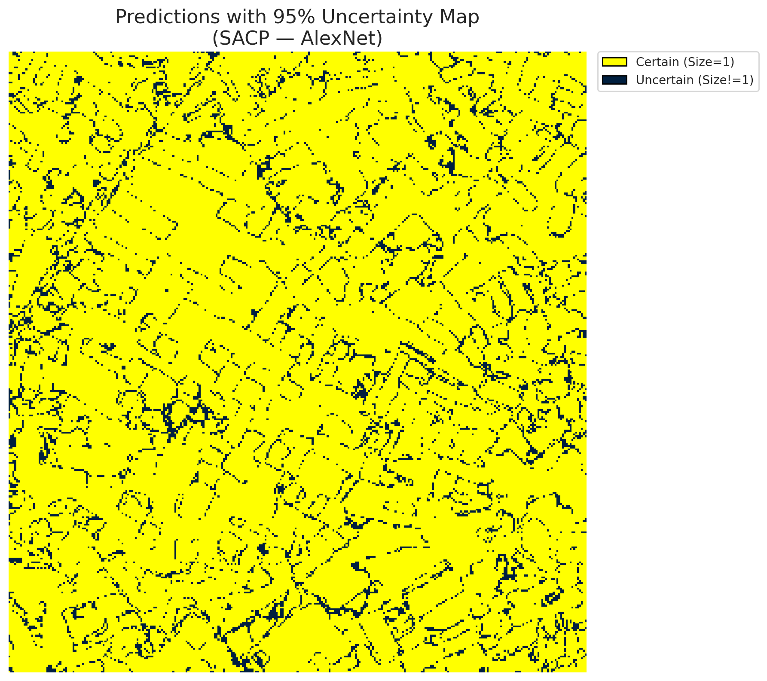
5 | Class 5 | 5030
6 | Class 6 | 2102
7 | Uncertain | 10265

SACP Parameters
q_hat | alpha | lambda | k | avg_set_size_eval
0.85201551666 | 0.05 | 0.5 | 1 | 1.0009280742

 |  |  |  |  |  |  |  |  | Class Map with Uncertain Mask
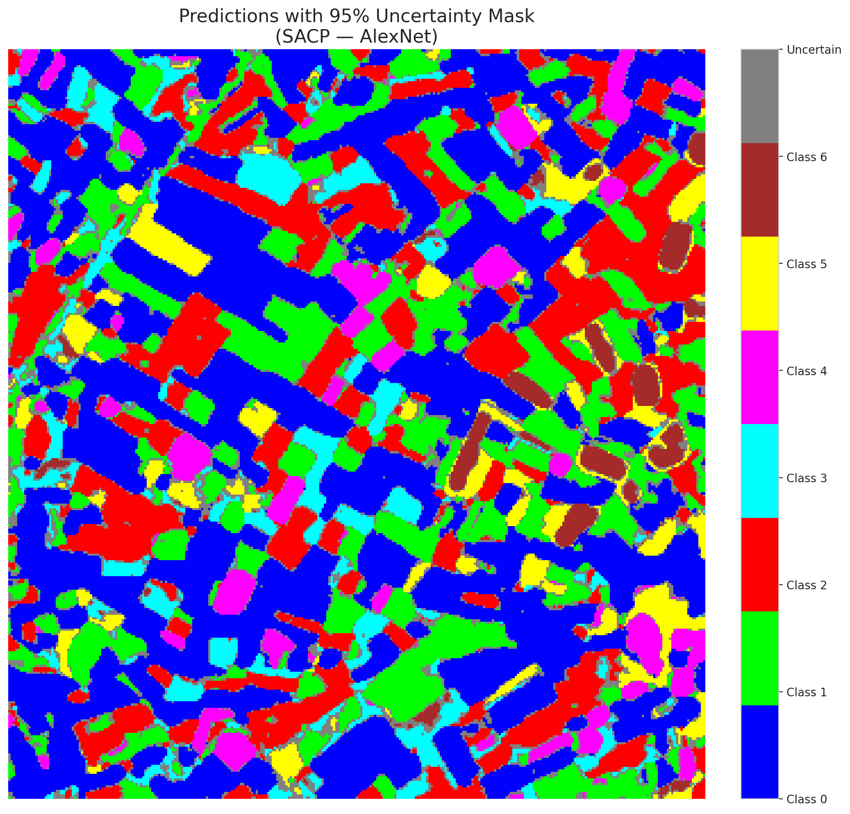

 |  |  |  |  |  |  |  |  | Pixel Counts

SACP_GFNet
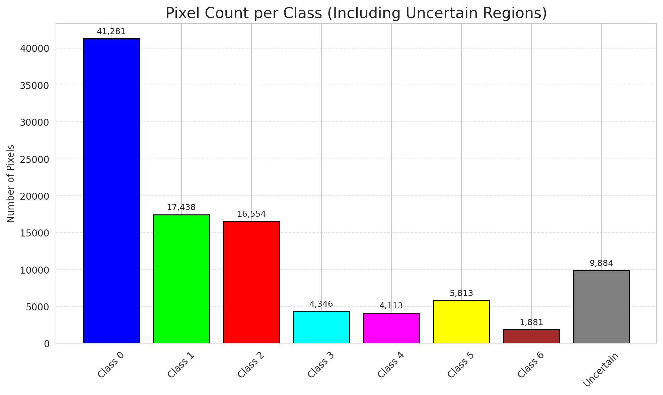
SACP - GFNet |  |  |  |  |  |  |  |  | Per-Class Coverage
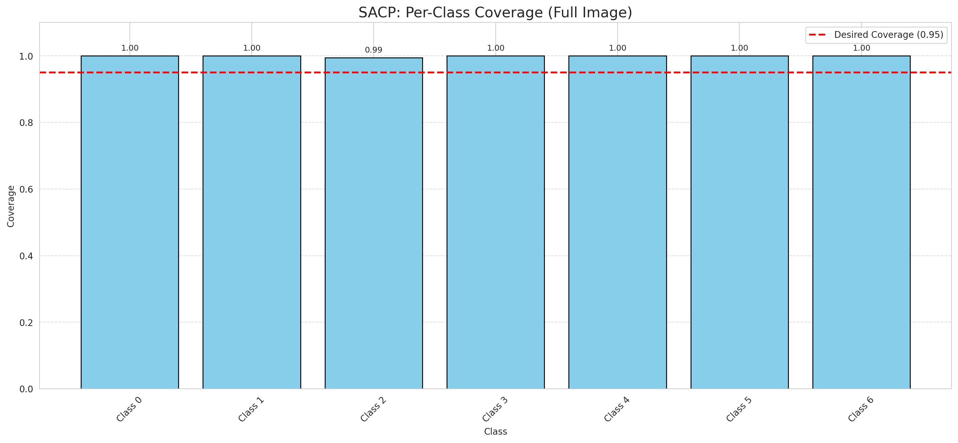
Summary
model_name | method | window_size | target_coverage | empirical_coverage | avg_set_size | median_set_size | singleton_rate | empty_set_rate | runtime_sec | alpha | lambda | k | q_hat | mean_per_class_coverage
GFNet | SACP | 3 | 0.95 | 0.99907192575 | 1.0027842227 | 1 | 0.99721577726 | 0 | 50.155807561 | 0.05 | 0.5 | 1 | 0.84757096553 | 0.9992019154

Per-Class Coverage Values
class_id | class_coverage | support_count
0 | 1 | 914
1 | 1 | 454
2 | 0.99441340782 | 358
3 | 1 | 156
4 | 1 | 104
5 | 1 | 101
6 | 1 | 68

Pixel Counts
class_id | label | pixel_count
0 | Class 0 | 41281
1 | Class 1 | 17438
2 | Class 2 | 16554
3 | Class 3 | 4346
4 | Class 4 | 4113 |  |  |  |  |  |  | Certain vs Uncertain Map
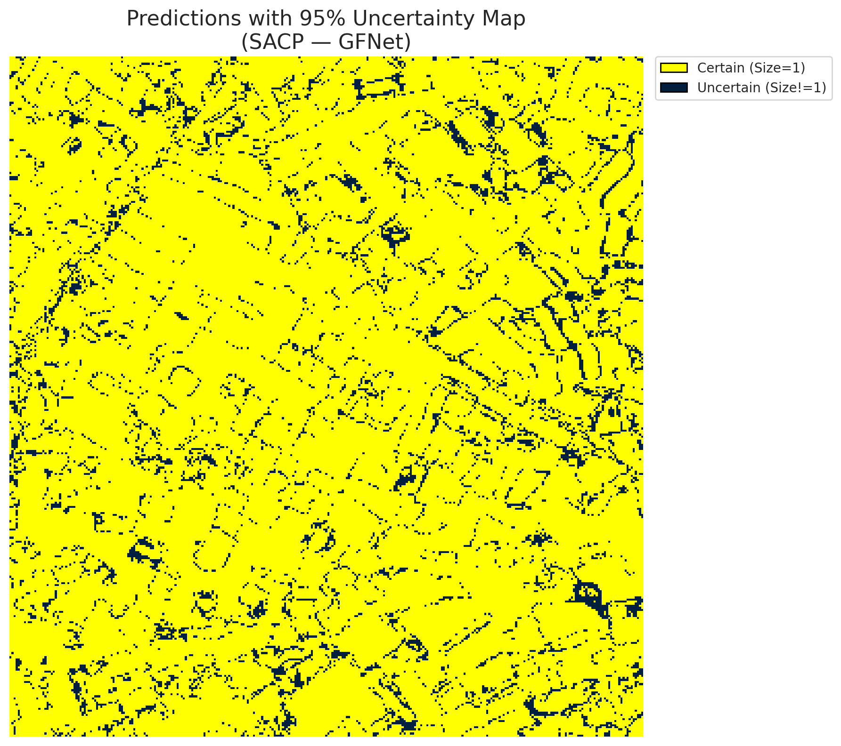
5 | Class 5 | 5813
6 | Class 6 | 1881
7 | Uncertain | 9884

SACP Parameters
q_hat | alpha | lambda | k | avg_set_size_eval
0.84757096553 | 0.05 | 0.5 | 1 | 1.0027842227

 |  |  |  |  |  |  |  |  | Class Map with Uncertain Mask
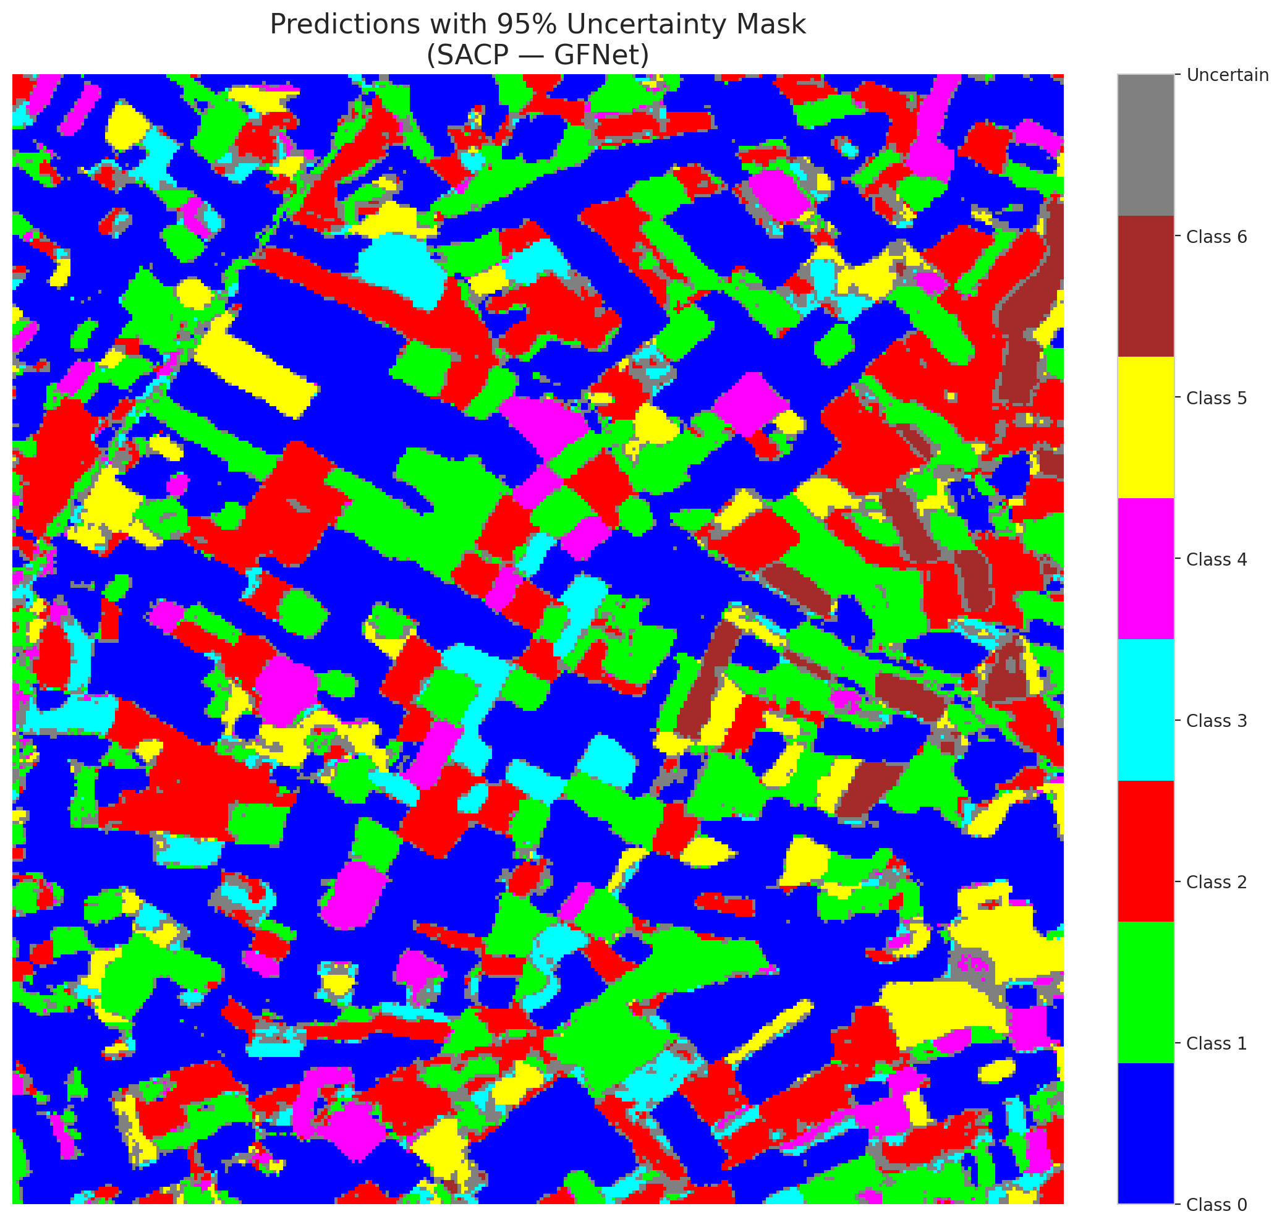

 |  |  |  |  |  |  |  |  | Pixel Counts

SACP_ViT
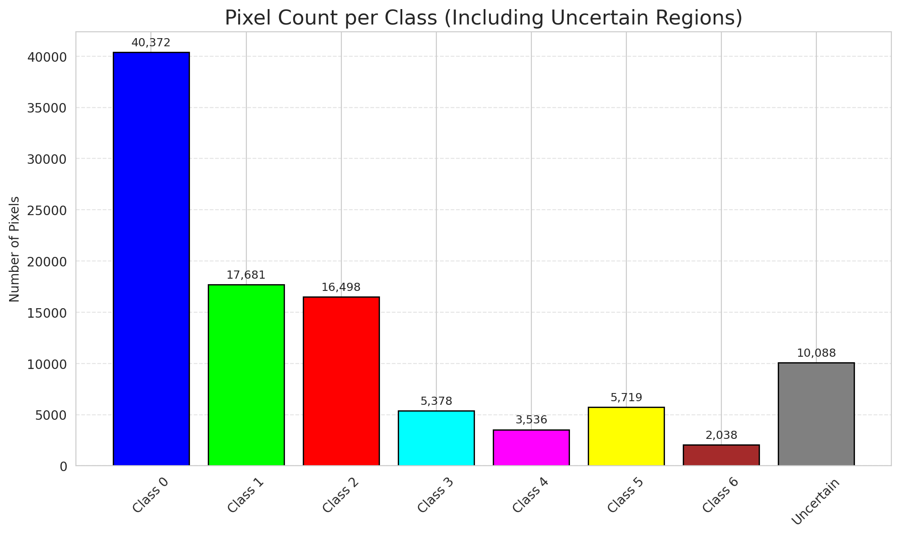
SACP - ViT |  |  |  |  |  |  |  |  | Per-Class Coverage

Summary
model_name | method | window_size | target_coverage | empirical_coverage | avg_set_size | median_set_size | singleton_rate | empty_set_rate | runtime_sec | alpha | lambda | k | q_hat | mean_per_class_coverage
ViT | SACP | 3 | 0.95 | 0.99721577726 | 1.0083526682 | 1 | 0.99350348028 | 0 | 62.917060571 | 0.05 | 0.5 | 1 | 0.82415524208 | 0.99724460624

Per-Class Coverage Values
class_id | class_coverage | support_count
0 | 0.99781181619 | 914
1 | 0.99559471366 | 454
2 | 0.99720670391 | 358
3 | 1 | 156
4 | 1 | 104
5 | 0.9900990099 | 101
6 | 1 | 68

Pixel Counts
class_id | label | pixel_count
0 | Class 0 | 40372
1 | Class 1 | 17681
2 | Class 2 | 16498
3 | Class 3 | 5378
4 | Class 4 | 3536 |  |  |  |  |  |  | Certain vs Uncertain Map
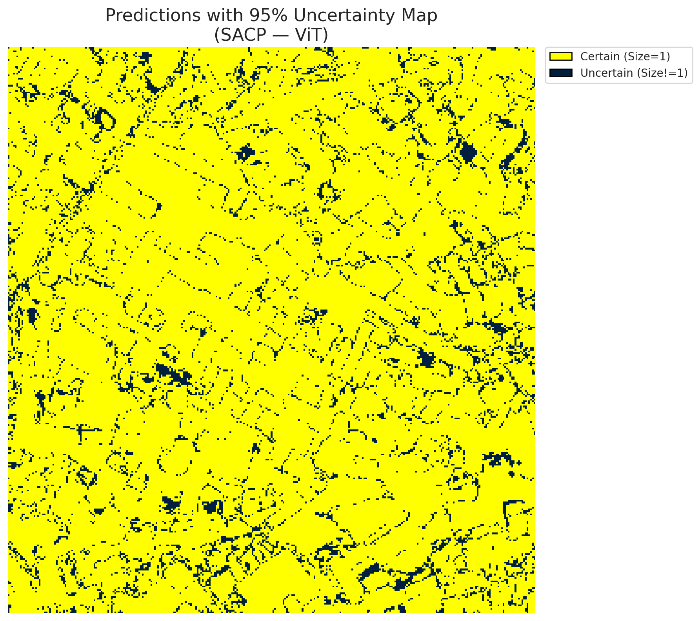
5 | Class 5 | 5719
6 | Class 6 | 2038
7 | Uncertain | 10088

SACP Parameters
q_hat | alpha | lambda | k | avg_set_size_eval
0.82415524208 | 0.05 | 0.5 | 1 | 1.0083526682

 |  |  |  |  |  |  |  |  | Class Map with Uncertain Mask
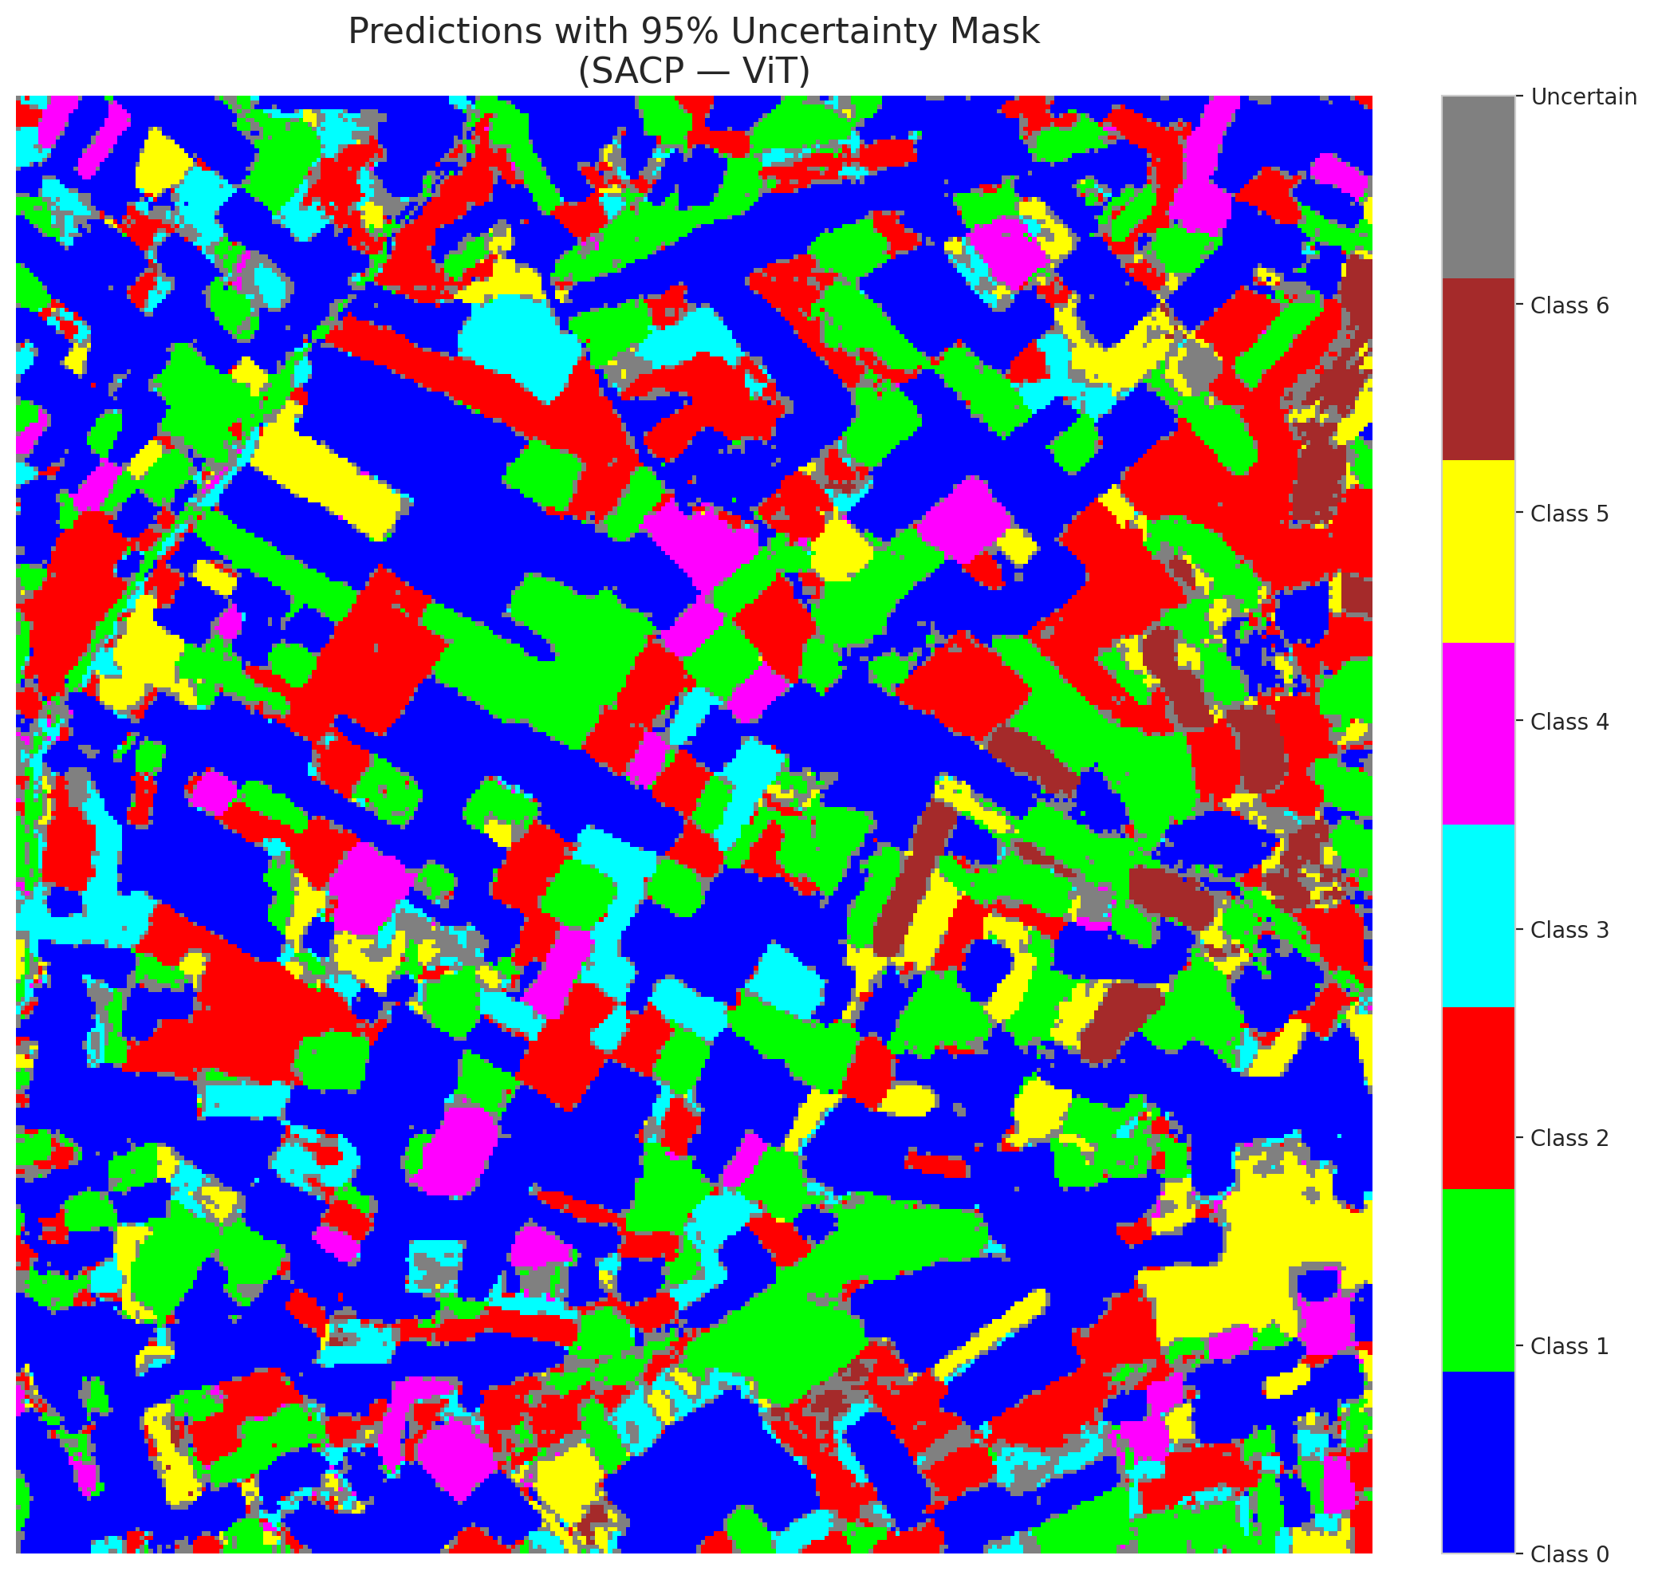

 |  |  |  |  |  |  |  |  | Pixel Counts

