SACP_AlexNet
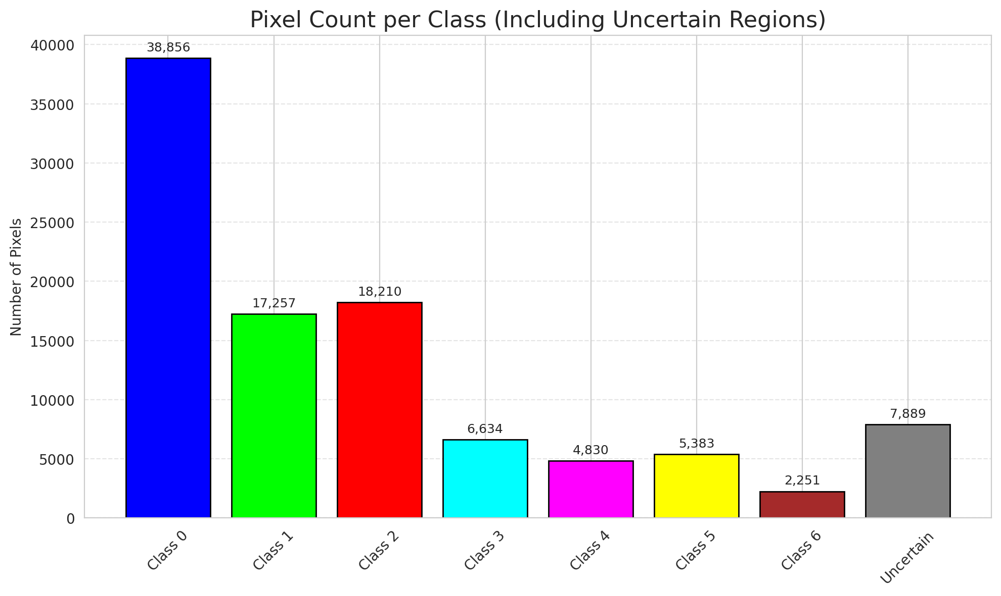
SACP - AlexNet |  |  |  |  |  |  |  |  | Per-Class Coverage
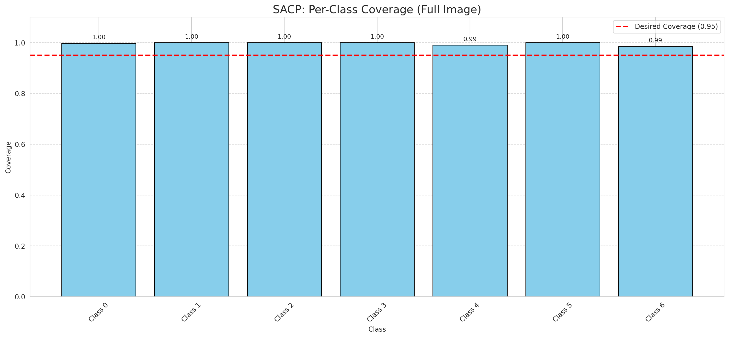
Summary
model_name | method | window_size | target_coverage | empirical_coverage | avg_set_size | median_set_size | singleton_rate | empty_set_rate | runtime_sec | alpha | lambda | k | q_hat | mean_per_class_coverage
AlexNet | SACP | 5 | 0.95 | 0.99814385151 | 1.0009280742 | 1 | 0.99907192575 | 0 | 50.373630835 | 0.05 | 0.5 | 1 | 0.76823089467 | 0.9962129356

Per-Class Coverage Values
class_id | class_coverage | support_count
0 | 0.99781181619 | 914
1 | 1 | 454
2 | 1 | 358
3 | 1 | 156
4 | 0.99038461538 | 104
5 | 1 | 101
6 | 0.98529411765 | 68

Pixel Counts
class_id | label | pixel_count
0 | Class 0 | 38856
1 | Class 1 | 17257
2 | Class 2 | 18210
3 | Class 3 | 6634
4 | Class 4 | 4830 |  |  |  |  |  |  | Certain vs Uncertain Map
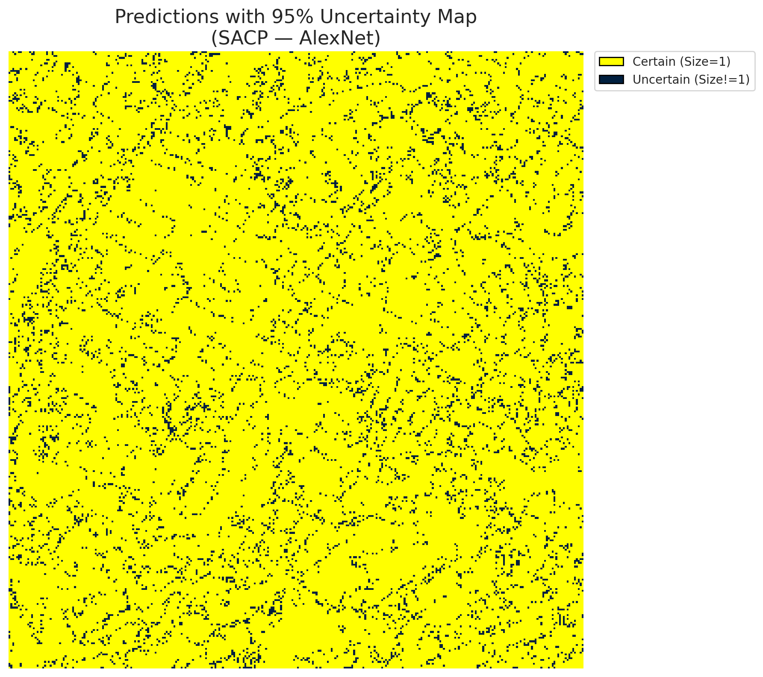
5 | Class 5 | 5383
6 | Class 6 | 2251
7 | Uncertain | 7889

SACP Parameters
q_hat | alpha | lambda | k | avg_set_size_eval
0.76823089467 | 0.05 | 0.5 | 1 | 1.0009280742

 |  |  |  |  |  |  |  |  | Class Map with Uncertain Mask
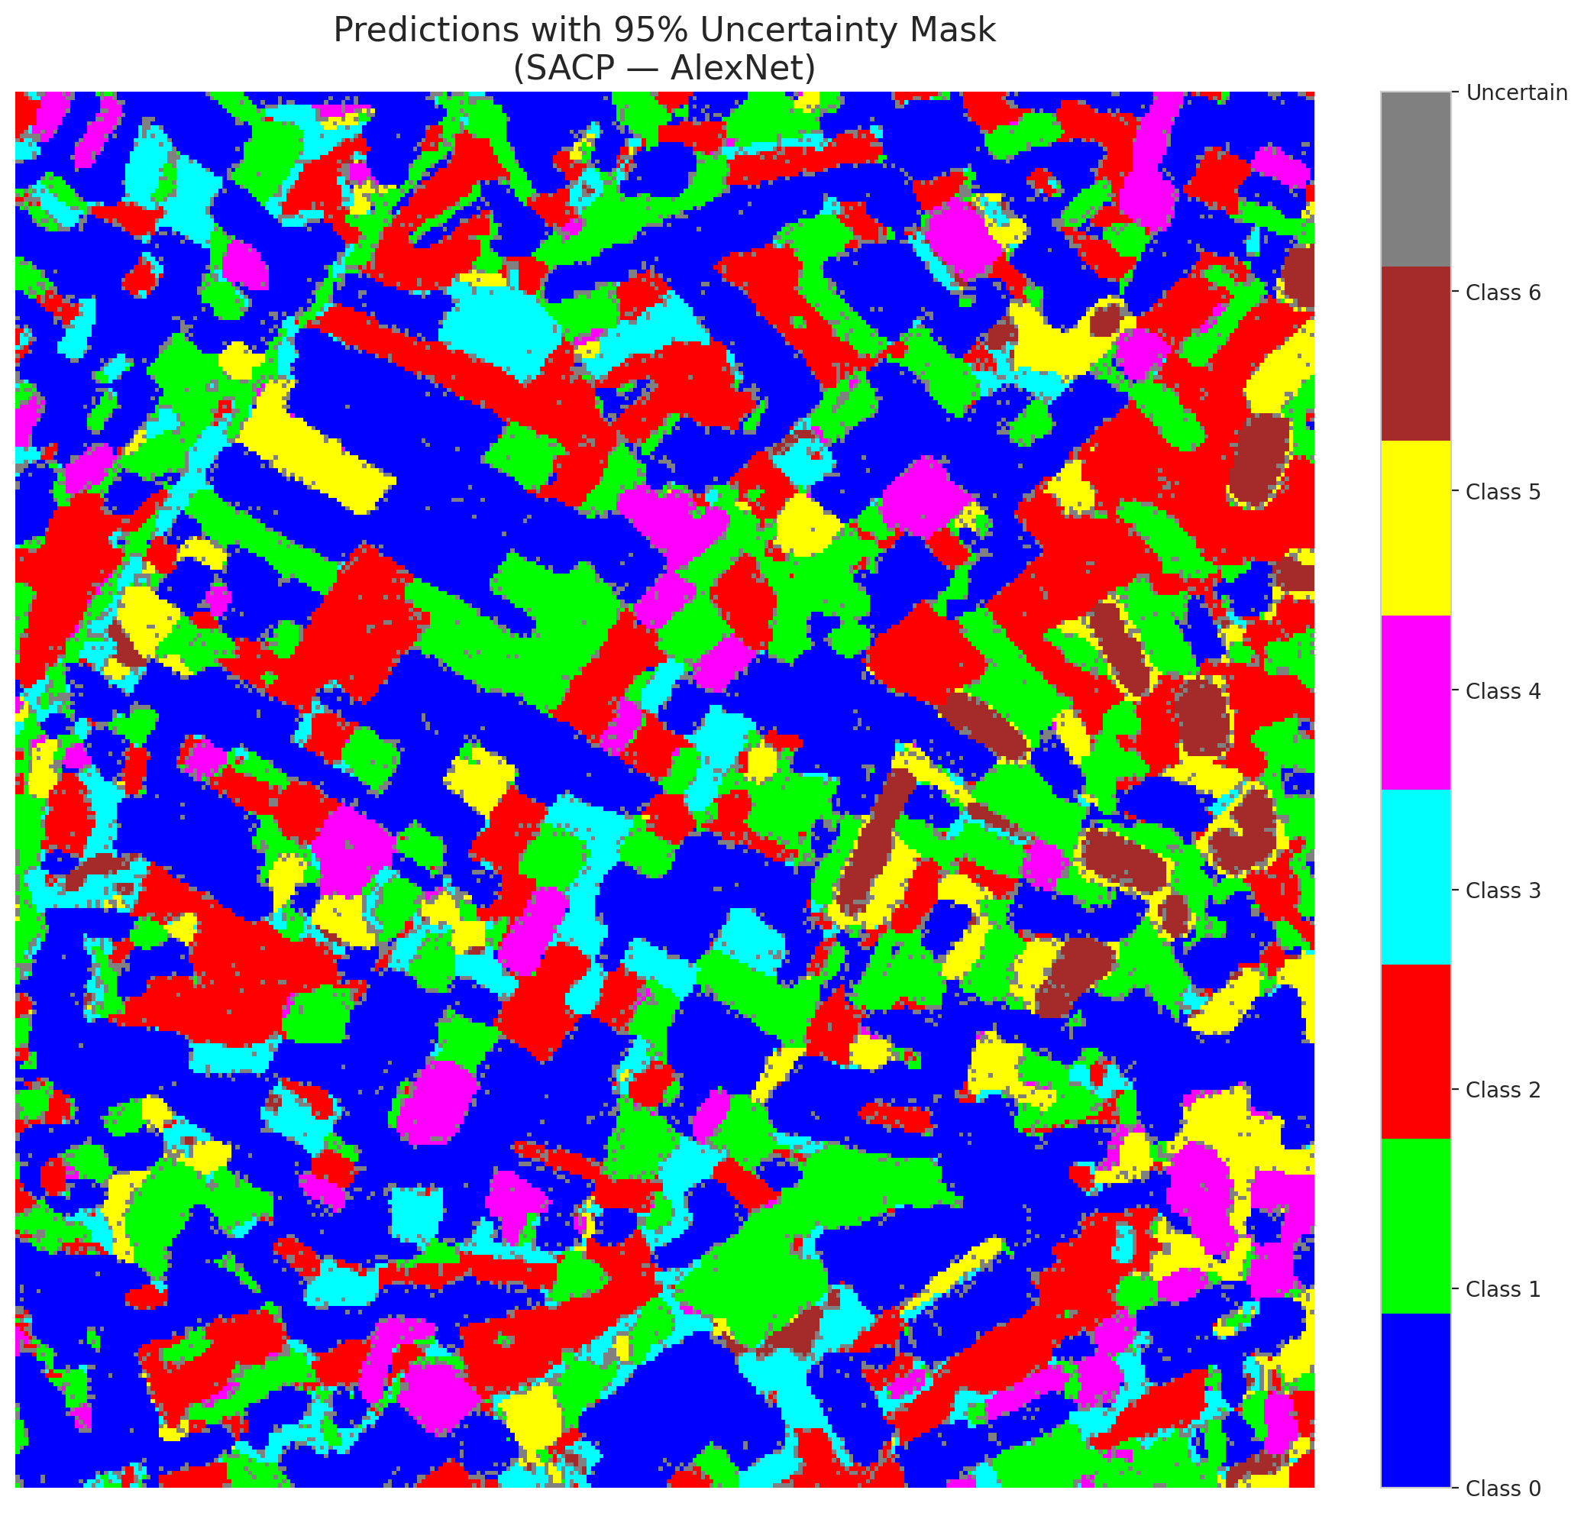

 |  |  |  |  |  |  |  |  | Pixel Counts

SACP_GFNet
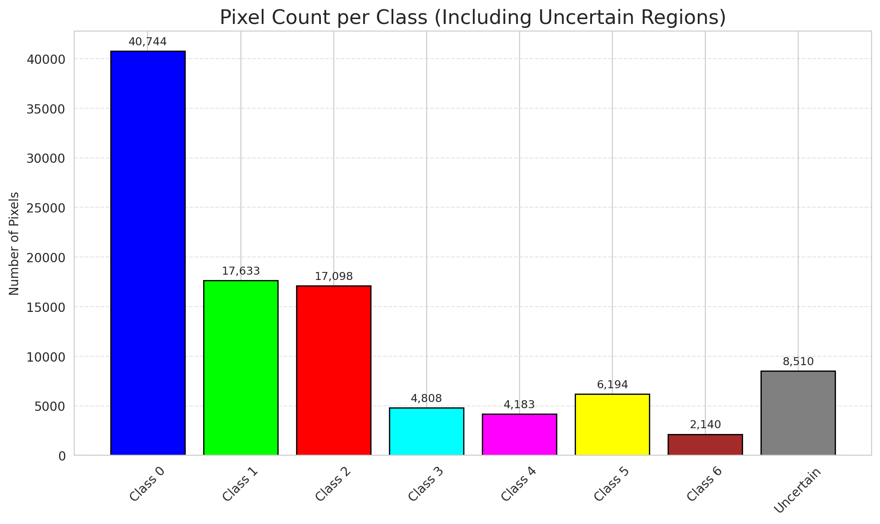
SACP - GFNet |  |  |  |  |  |  |  |  | Per-Class Coverage
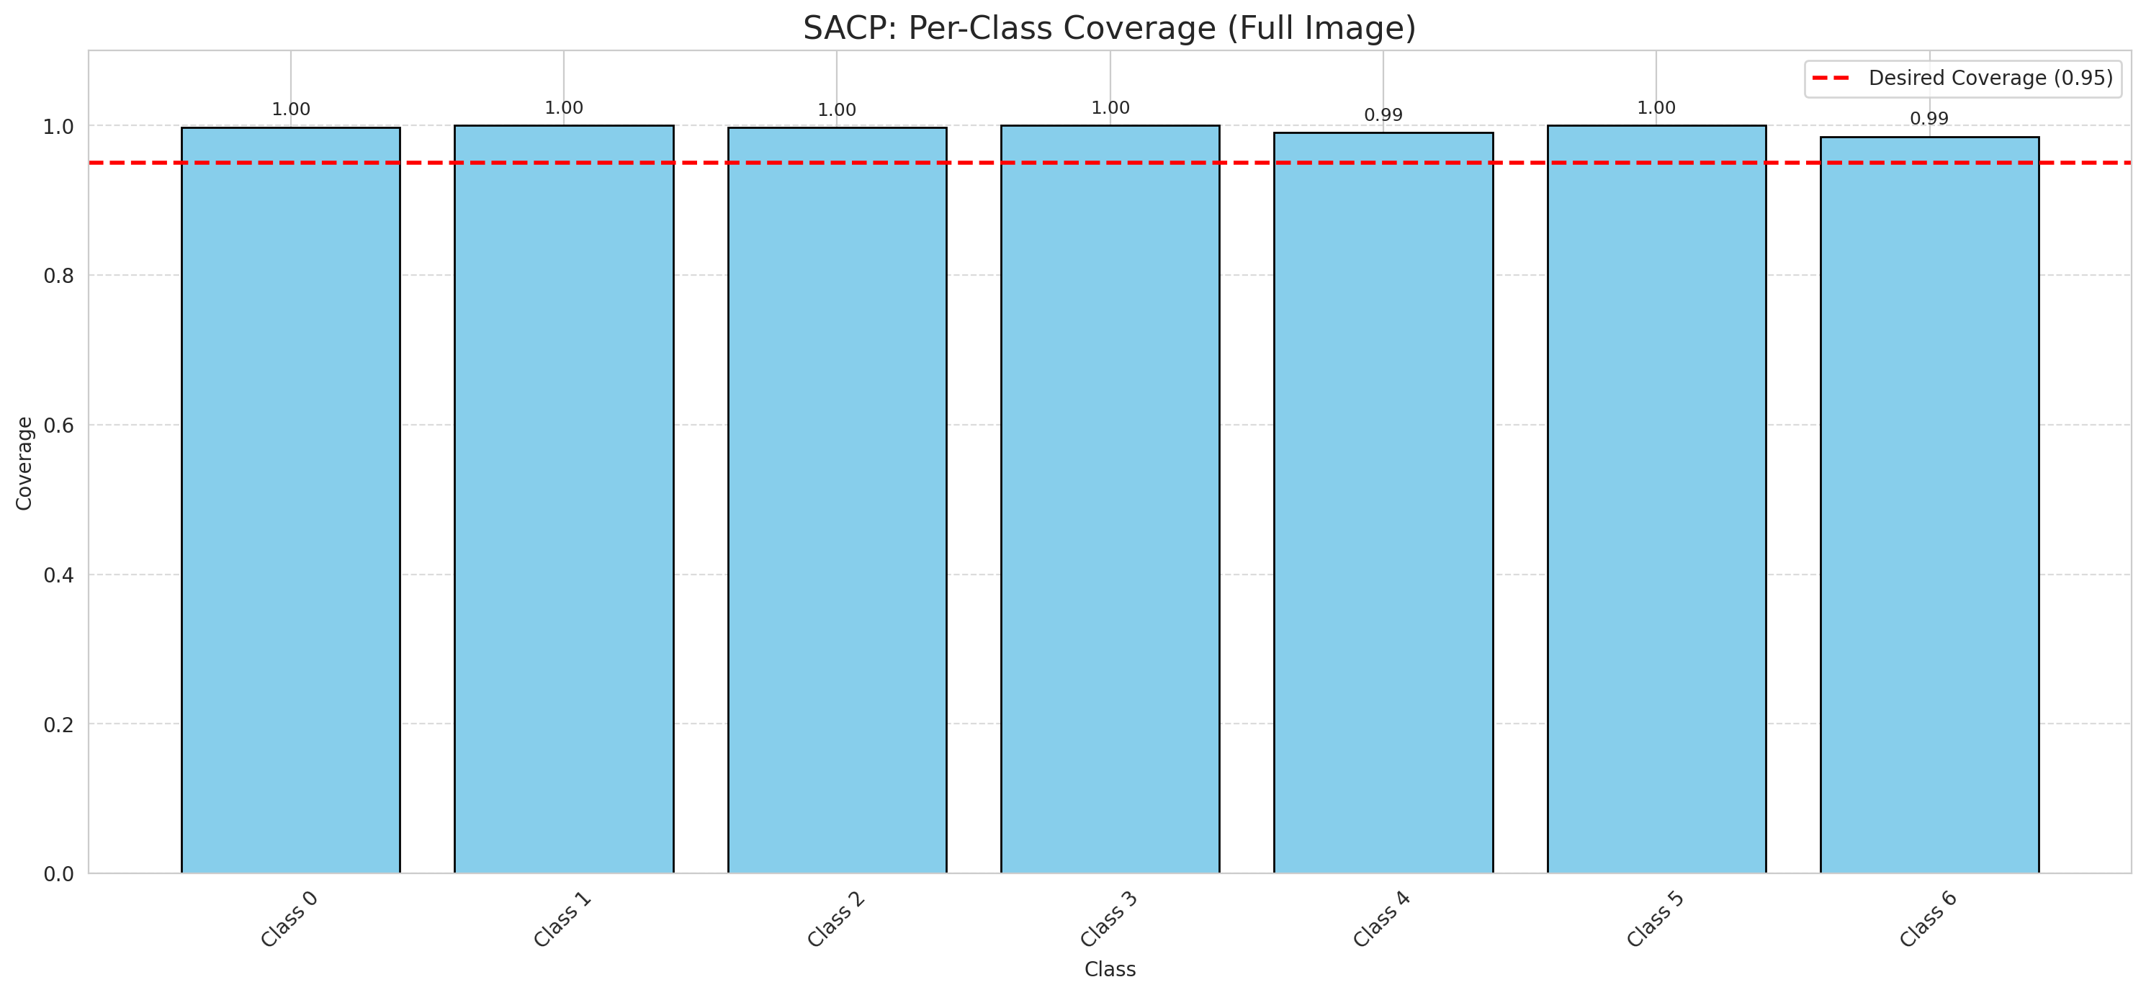
Summary
model_name | method | window_size | target_coverage | empirical_coverage | avg_set_size | median_set_size | singleton_rate | empty_set_rate | runtime_sec | alpha | lambda | k | q_hat | mean_per_class_coverage
GFNet | SACP | 5 | 0.95 | 0.99767981439 | 1.0023201856 | 1 | 0.99767981439 | 0 | 45.494857582 | 0.05 | 0.5 | 1 | 0.76642744535 | 0.9958138933

Per-Class Coverage Values
class_id | class_coverage | support_count
0 | 0.99781181619 | 914
1 | 1 | 454
2 | 0.99720670391 | 358
3 | 1 | 156
4 | 0.99038461538 | 104
5 | 1 | 101
6 | 0.98529411765 | 68

Pixel Counts
class_id | label | pixel_count
0 | Class 0 | 40744
1 | Class 1 | 17633
2 | Class 2 | 17098
3 | Class 3 | 4808
4 | Class 4 | 4183 |  |  |  |  |  |  | Certain vs Uncertain Map
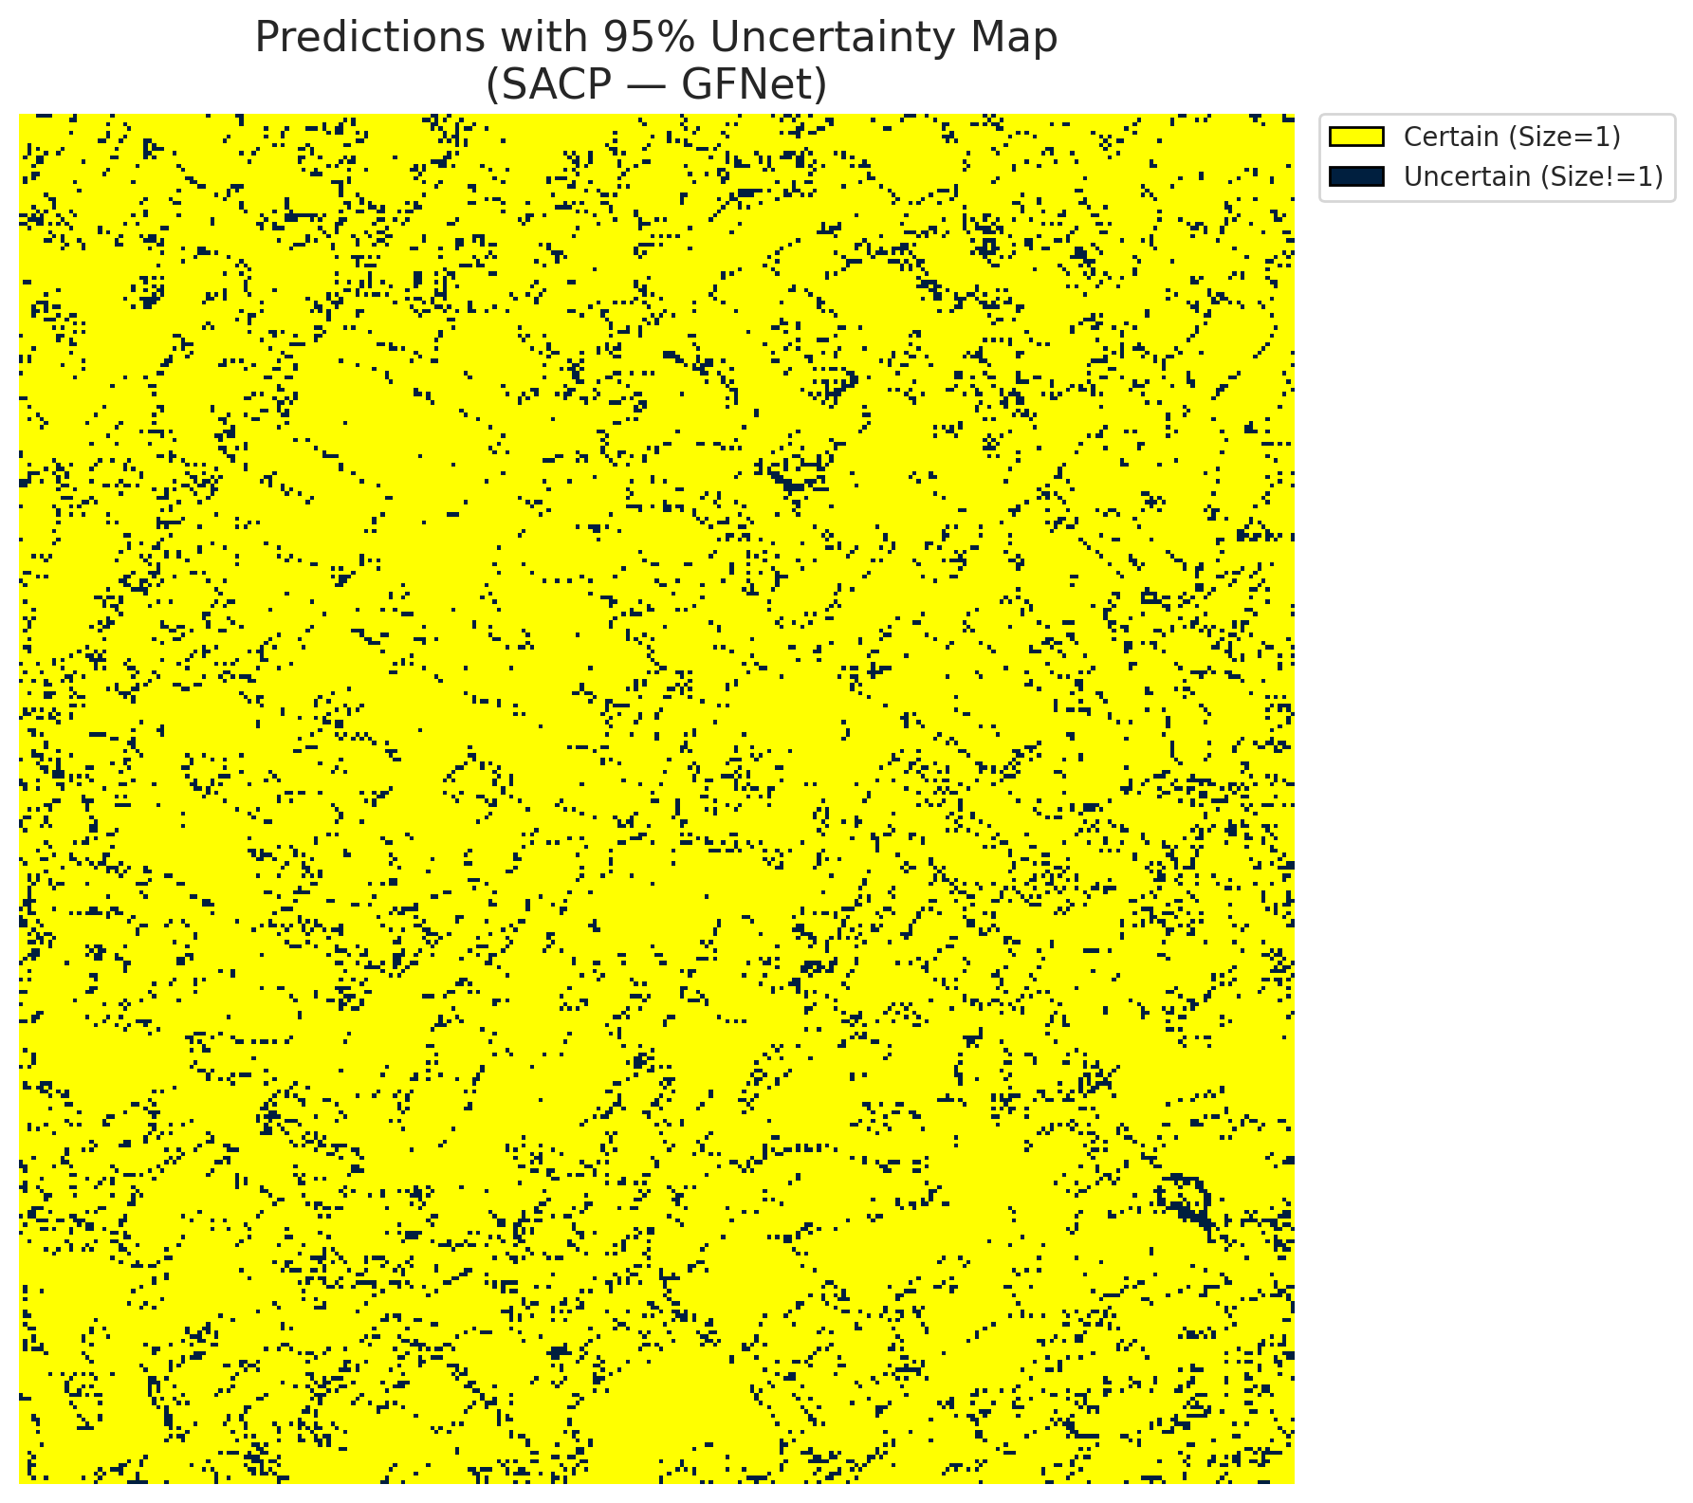
5 | Class 5 | 6194
6 | Class 6 | 2140
7 | Uncertain | 8510

SACP Parameters
q_hat | alpha | lambda | k | avg_set_size_eval
0.76642744535 | 0.05 | 0.5 | 1 | 1.0023201856

 |  |  |  |  |  |  |  |  | Class Map with Uncertain Mask
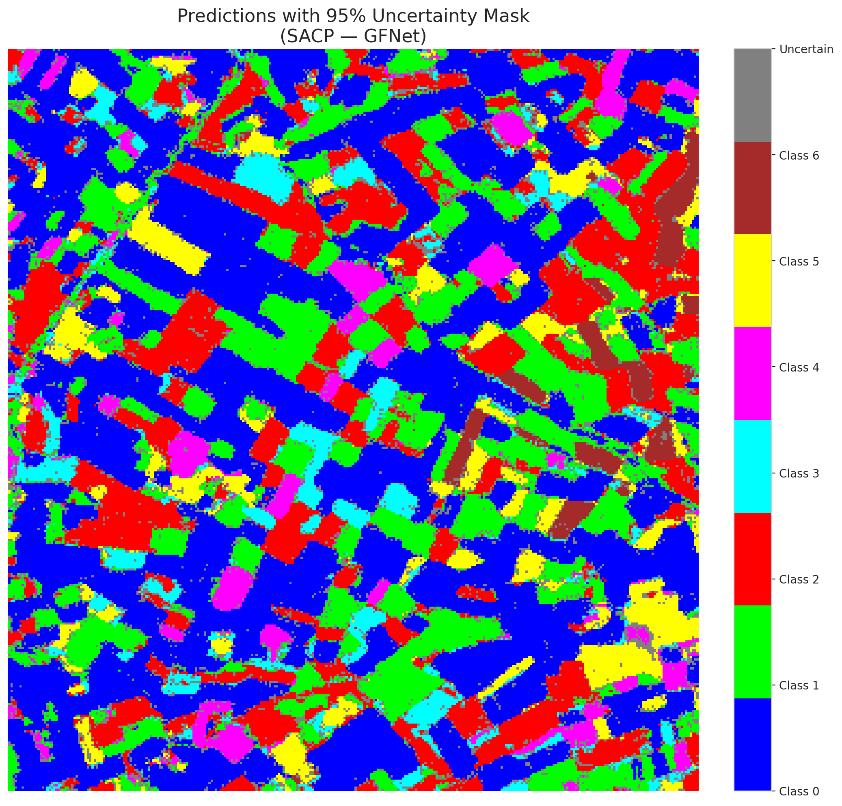

 |  |  |  |  |  |  |  |  | Pixel Counts

SACP_ViT

SACP - ViT |  |  |  |  |  |  |  |  | Per-Class Coverage
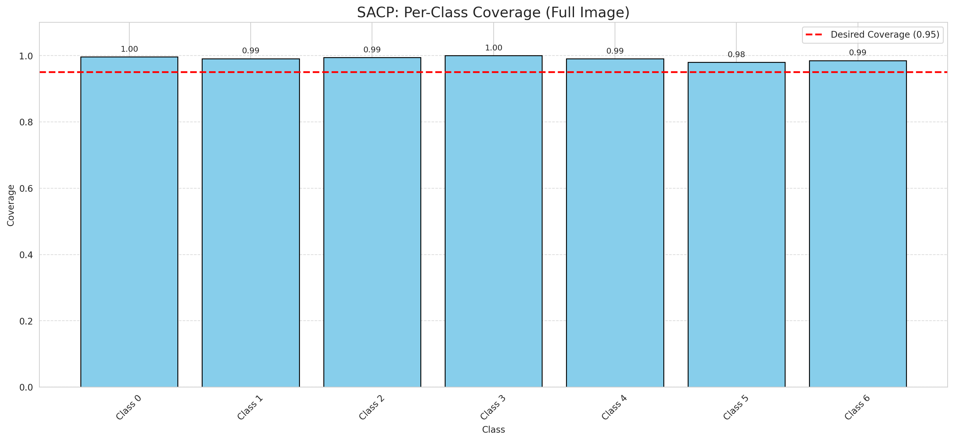
Summary
model_name | method | window_size | target_coverage | empirical_coverage | avg_set_size | median_set_size | singleton_rate | empty_set_rate | runtime_sec | alpha | lambda | k | q_hat | mean_per_class_coverage
ViT | SACP | 5 | 0.95 | 0.9939675174 | 1.003712297 | 1 | 0.99628770302 | 0 | 50.523260491 | 0.05 | 0.5 | 1 | 0.74436822419 | 0.99117104461

Per-Class Coverage Values
class_id | class_coverage | support_count
0 | 0.99671772429 | 914
1 | 0.99118942731 | 454
2 | 0.99441340782 | 358
3 | 1 | 156
4 | 0.99038461538 | 104
5 | 0.9801980198 | 101
6 | 0.98529411765 | 68

Pixel Counts
class_id | label | pixel_count
0 | Class 0 | 40045
1 | Class 1 | 17879
2 | Class 2 | 16669
3 | Class 3 | 5864
4 | Class 4 | 3521 |  |  |  |  |  |  | Certain vs Uncertain Map
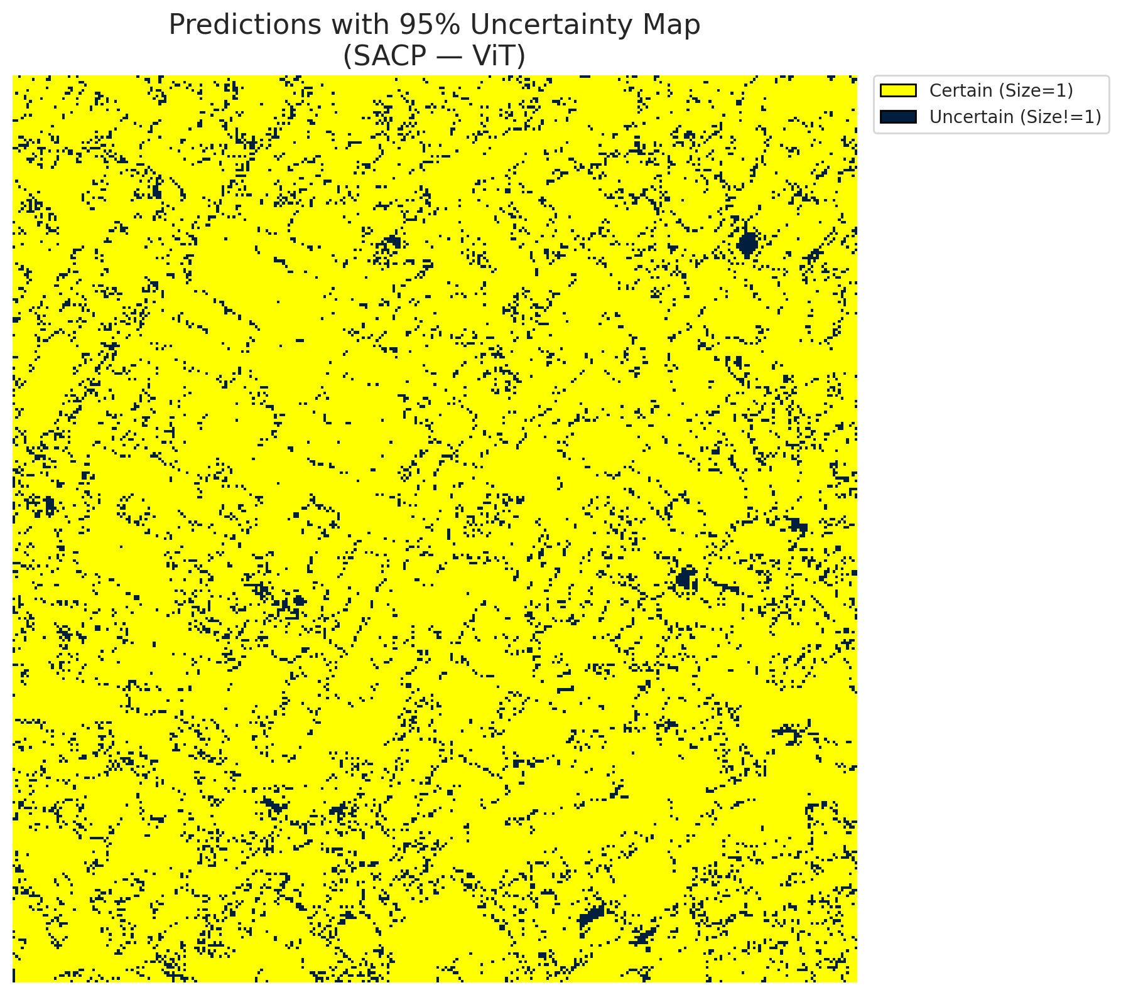
5 | Class 5 | 6042
6 | Class 6 | 2138
7 | Uncertain | 9152

SACP Parameters
q_hat | alpha | lambda | k | avg_set_size_eval
0.74436822419 | 0.05 | 0.5 | 1 | 1.003712297

 |  |  |  |  |  |  |  |  | Class Map with Uncertain Mask
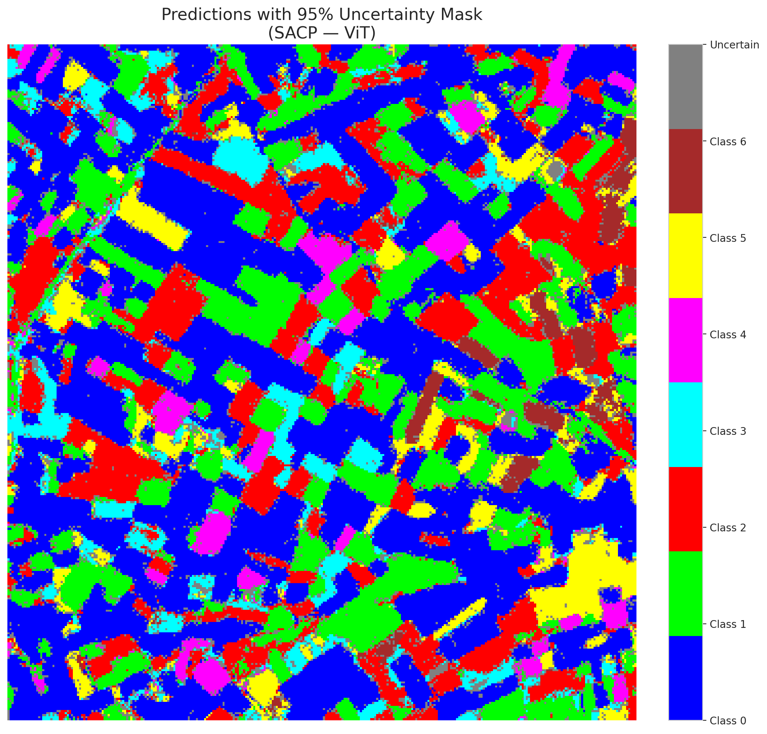

 |  |  |  |  |  |  |  |  | Pixel Counts

