SACP_AlexNet
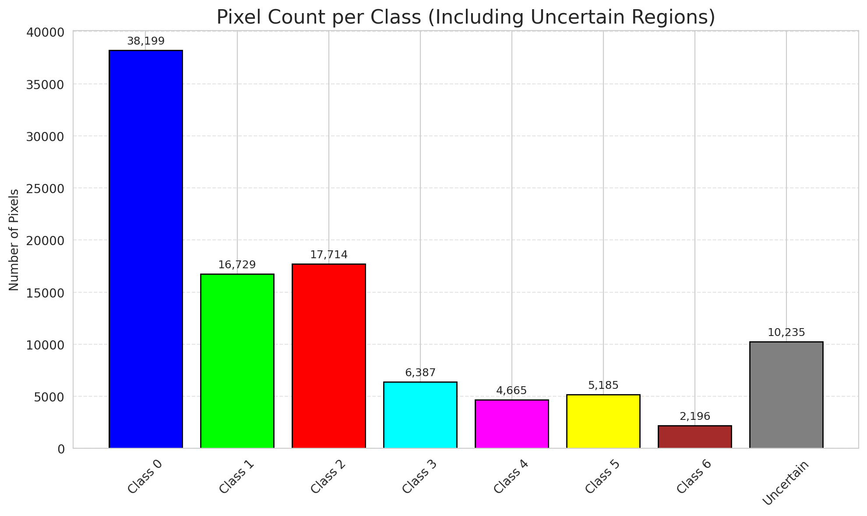
SACP - AlexNet |  |  |  |  |  |  |  |  | Per-Class Coverage
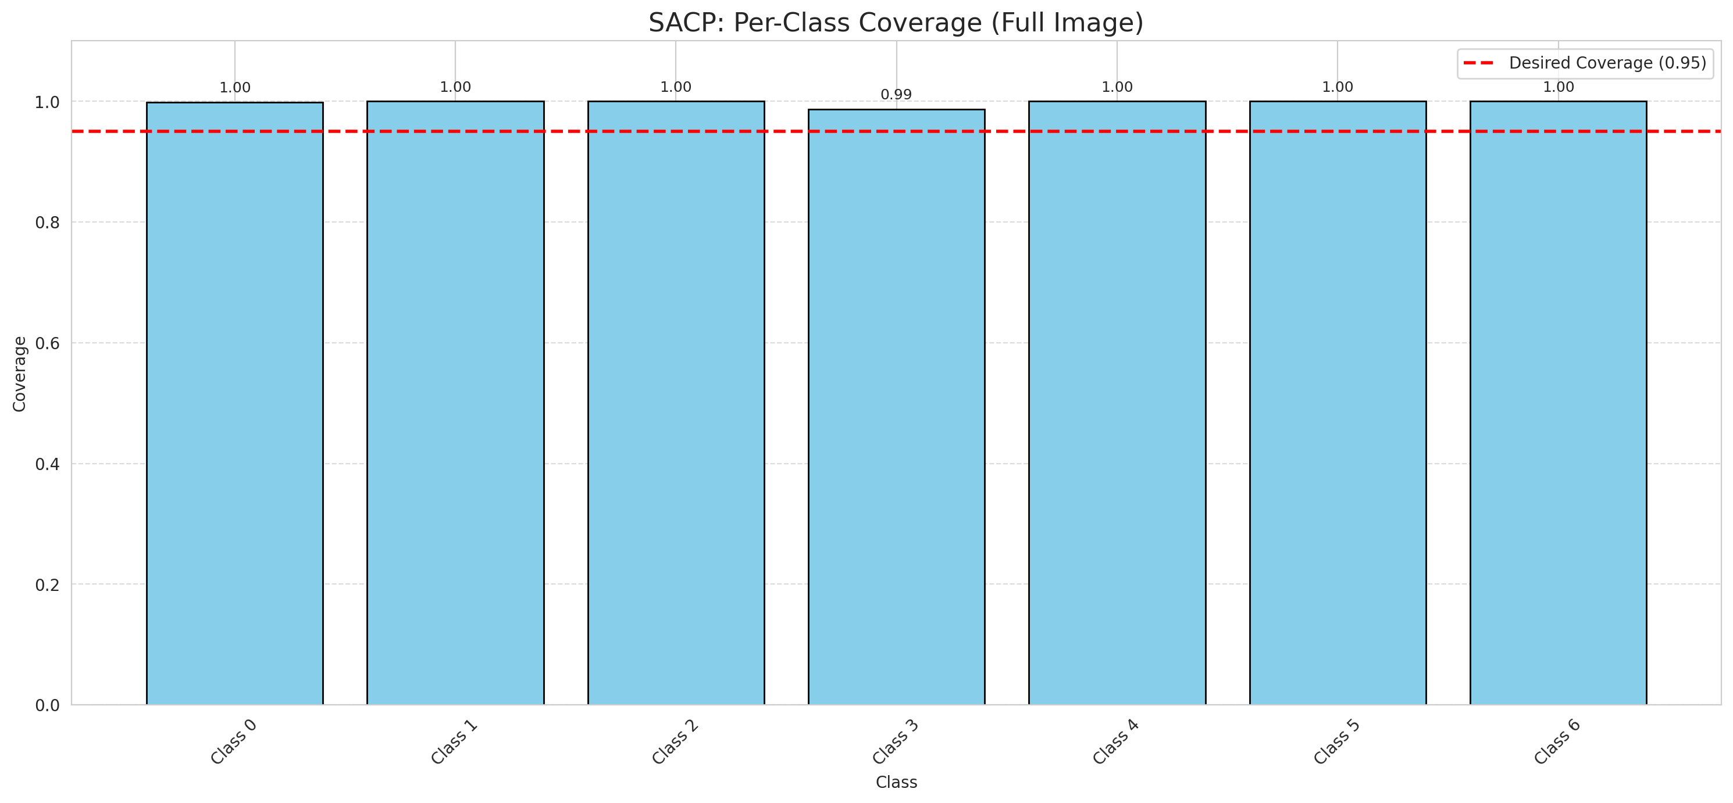
Summary
model_name | method | window_size | target_coverage | empirical_coverage | avg_set_size | median_set_size | singleton_rate | empty_set_rate | runtime_sec | alpha | lambda | k | q_hat | mean_per_class_coverage
AlexNet | SACP | 7 | 0.95 | 0.99860788863 | 1.0013921114 | 1 | 0.99860788863 | 0 | 55.113319391 | 0.05 | 0.5 | 1 | 0.76355782518 | 0.99801219933

Per-Class Coverage Values
class_id | class_coverage | support_count
0 | 0.9989059081 | 914
1 | 1 | 454
2 | 1 | 358
3 | 0.98717948718 | 156
4 | 1 | 104
5 | 1 | 101
6 | 1 | 68

Pixel Counts
class_id | label | pixel_count
0 | Class 0 | 38199
1 | Class 1 | 16729
2 | Class 2 | 17714
3 | Class 3 | 6387
4 | Class 4 | 4665 |  |  |  |  |  |  | Certain vs Uncertain Map
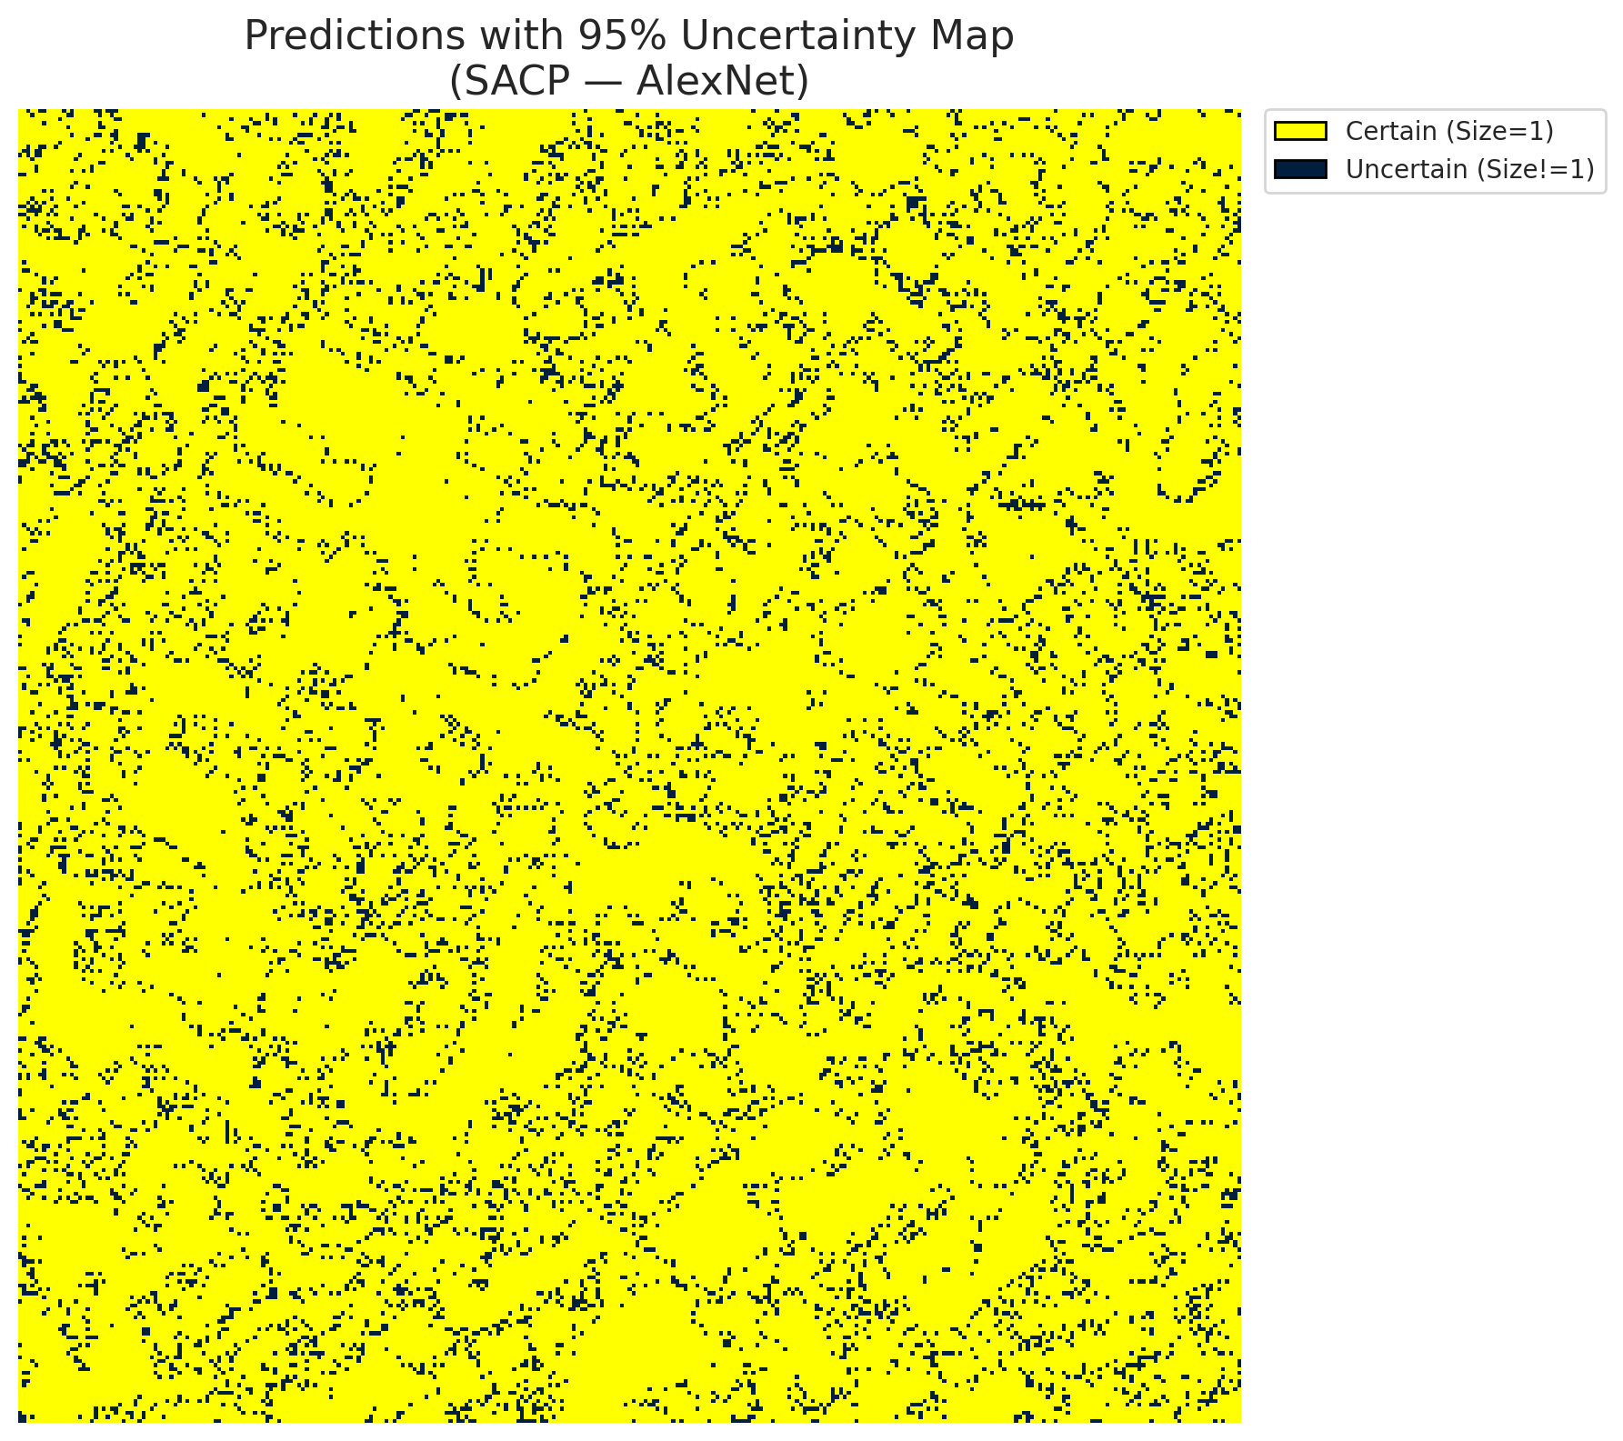
5 | Class 5 | 5185
6 | Class 6 | 2196
7 | Uncertain | 10235

SACP Parameters
q_hat | alpha | lambda | k | avg_set_size_eval
0.76355782518 | 0.05 | 0.5 | 1 | 1.0013921114

 |  |  |  |  |  |  |  |  | Class Map with Uncertain Mask
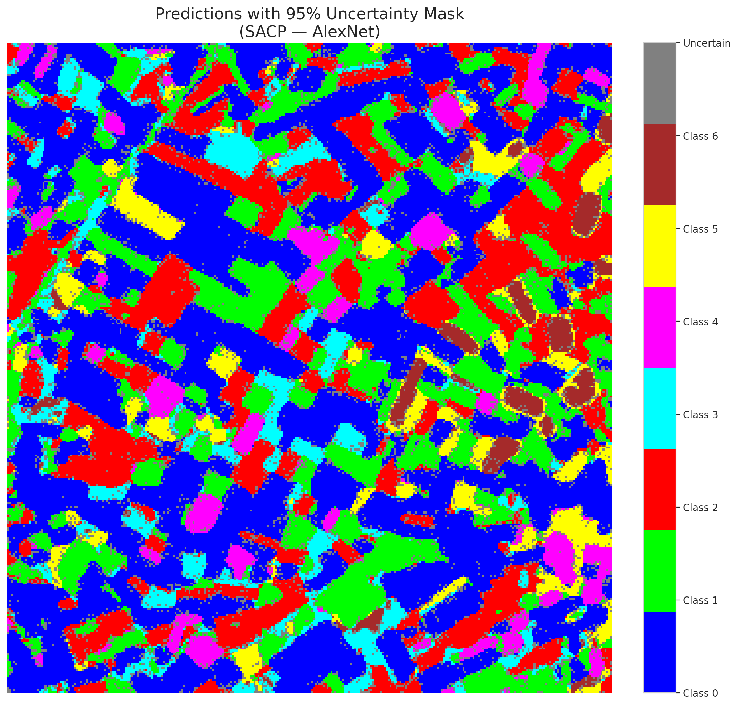

 |  |  |  |  |  |  |  |  | Pixel Counts

SACP_GFNet

SACP - GFNet |  |  |  |  |  |  |  |  | Per-Class Coverage
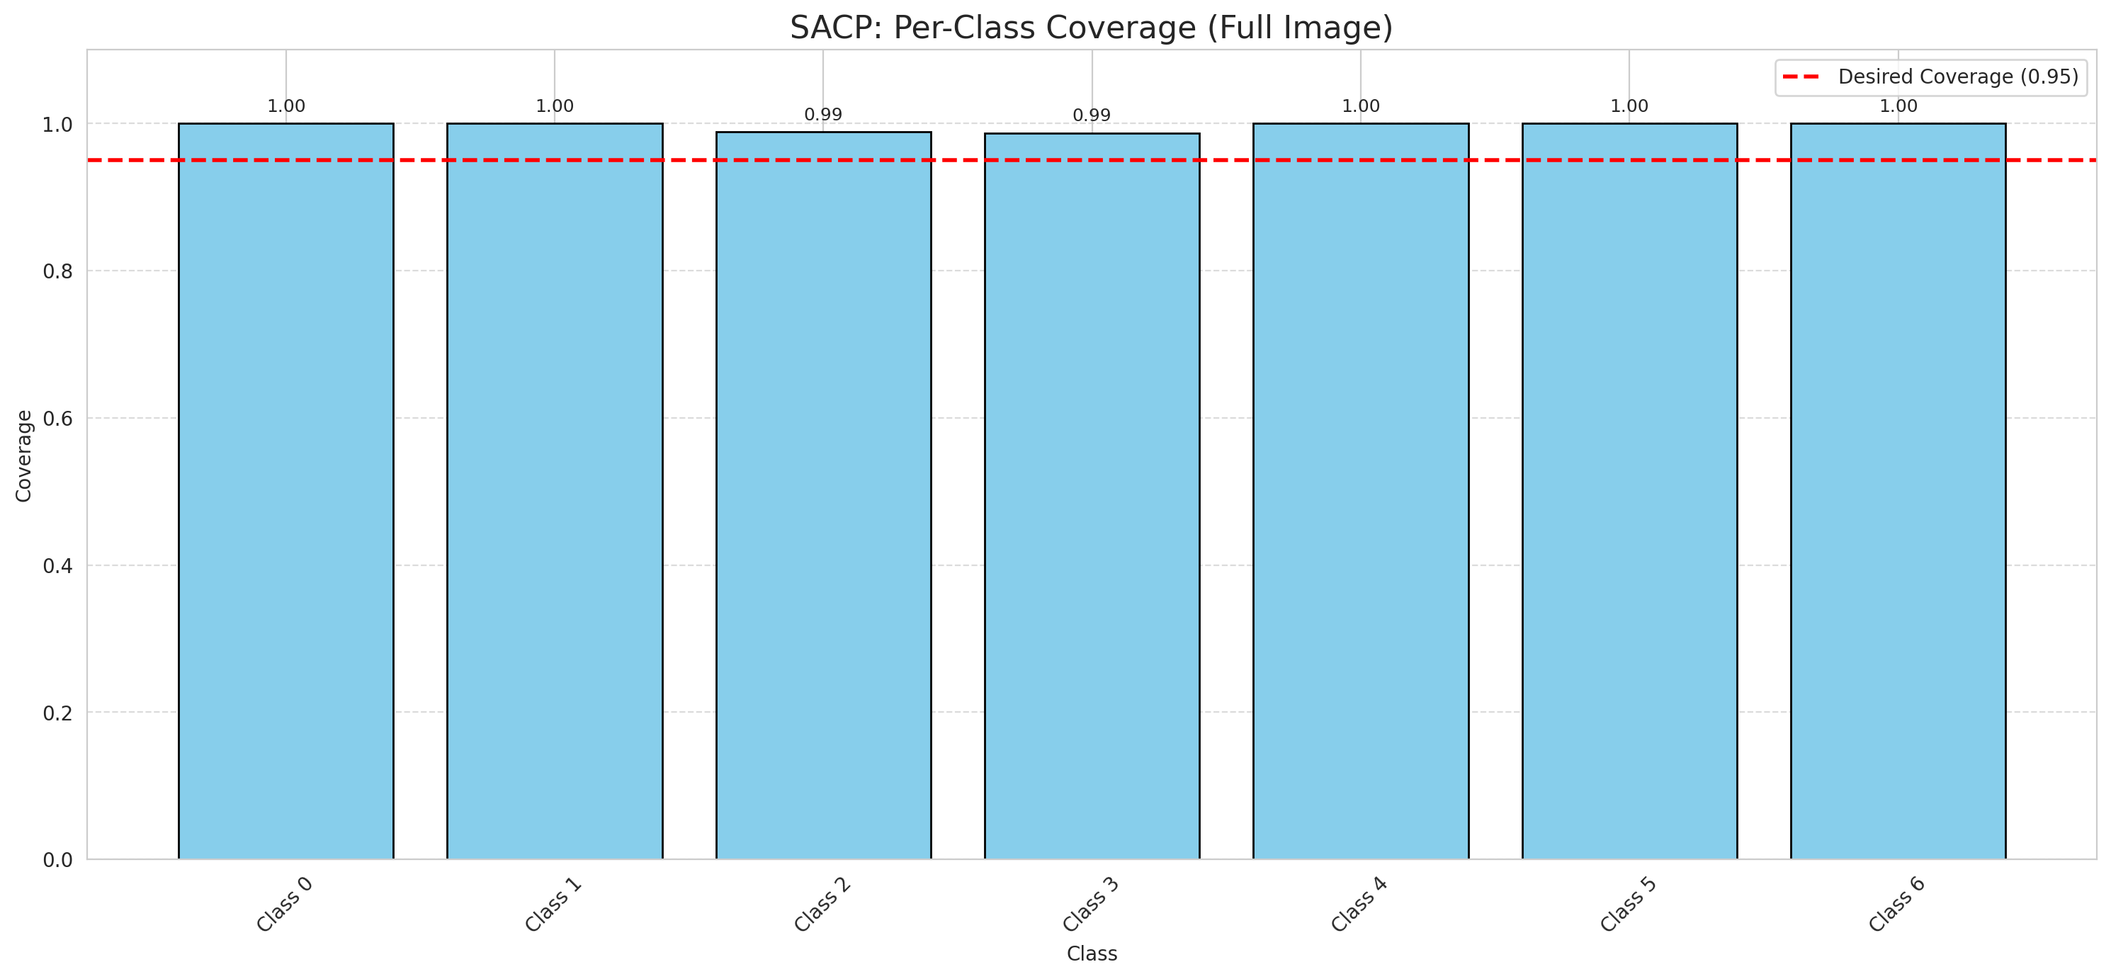
Summary
model_name | method | window_size | target_coverage | empirical_coverage | avg_set_size | median_set_size | singleton_rate | empty_set_rate | runtime_sec | alpha | lambda | k | q_hat | mean_per_class_coverage
GFNet | SACP | 7 | 0.95 | 0.99721577726 | 1.0013921114 | 1 | 0.99860788863 | 0 | 51.802607456 | 0.05 | 0.5 | 1 | 0.75772929388 | 0.99657232897

Per-Class Coverage Values
class_id | class_coverage | support_count
0 | 1 | 914
1 | 1 | 454
2 | 0.98882681564 | 358
3 | 0.98717948718 | 156
4 | 1 | 104
5 | 1 | 101
6 | 1 | 68

Pixel Counts
class_id | label | pixel_count
0 | Class 0 | 39846
1 | Class 1 | 16997
2 | Class 2 | 16632
3 | Class 3 | 4593
4 | Class 4 | 3977 |  |  |  |  |  |  | Certain vs Uncertain Map
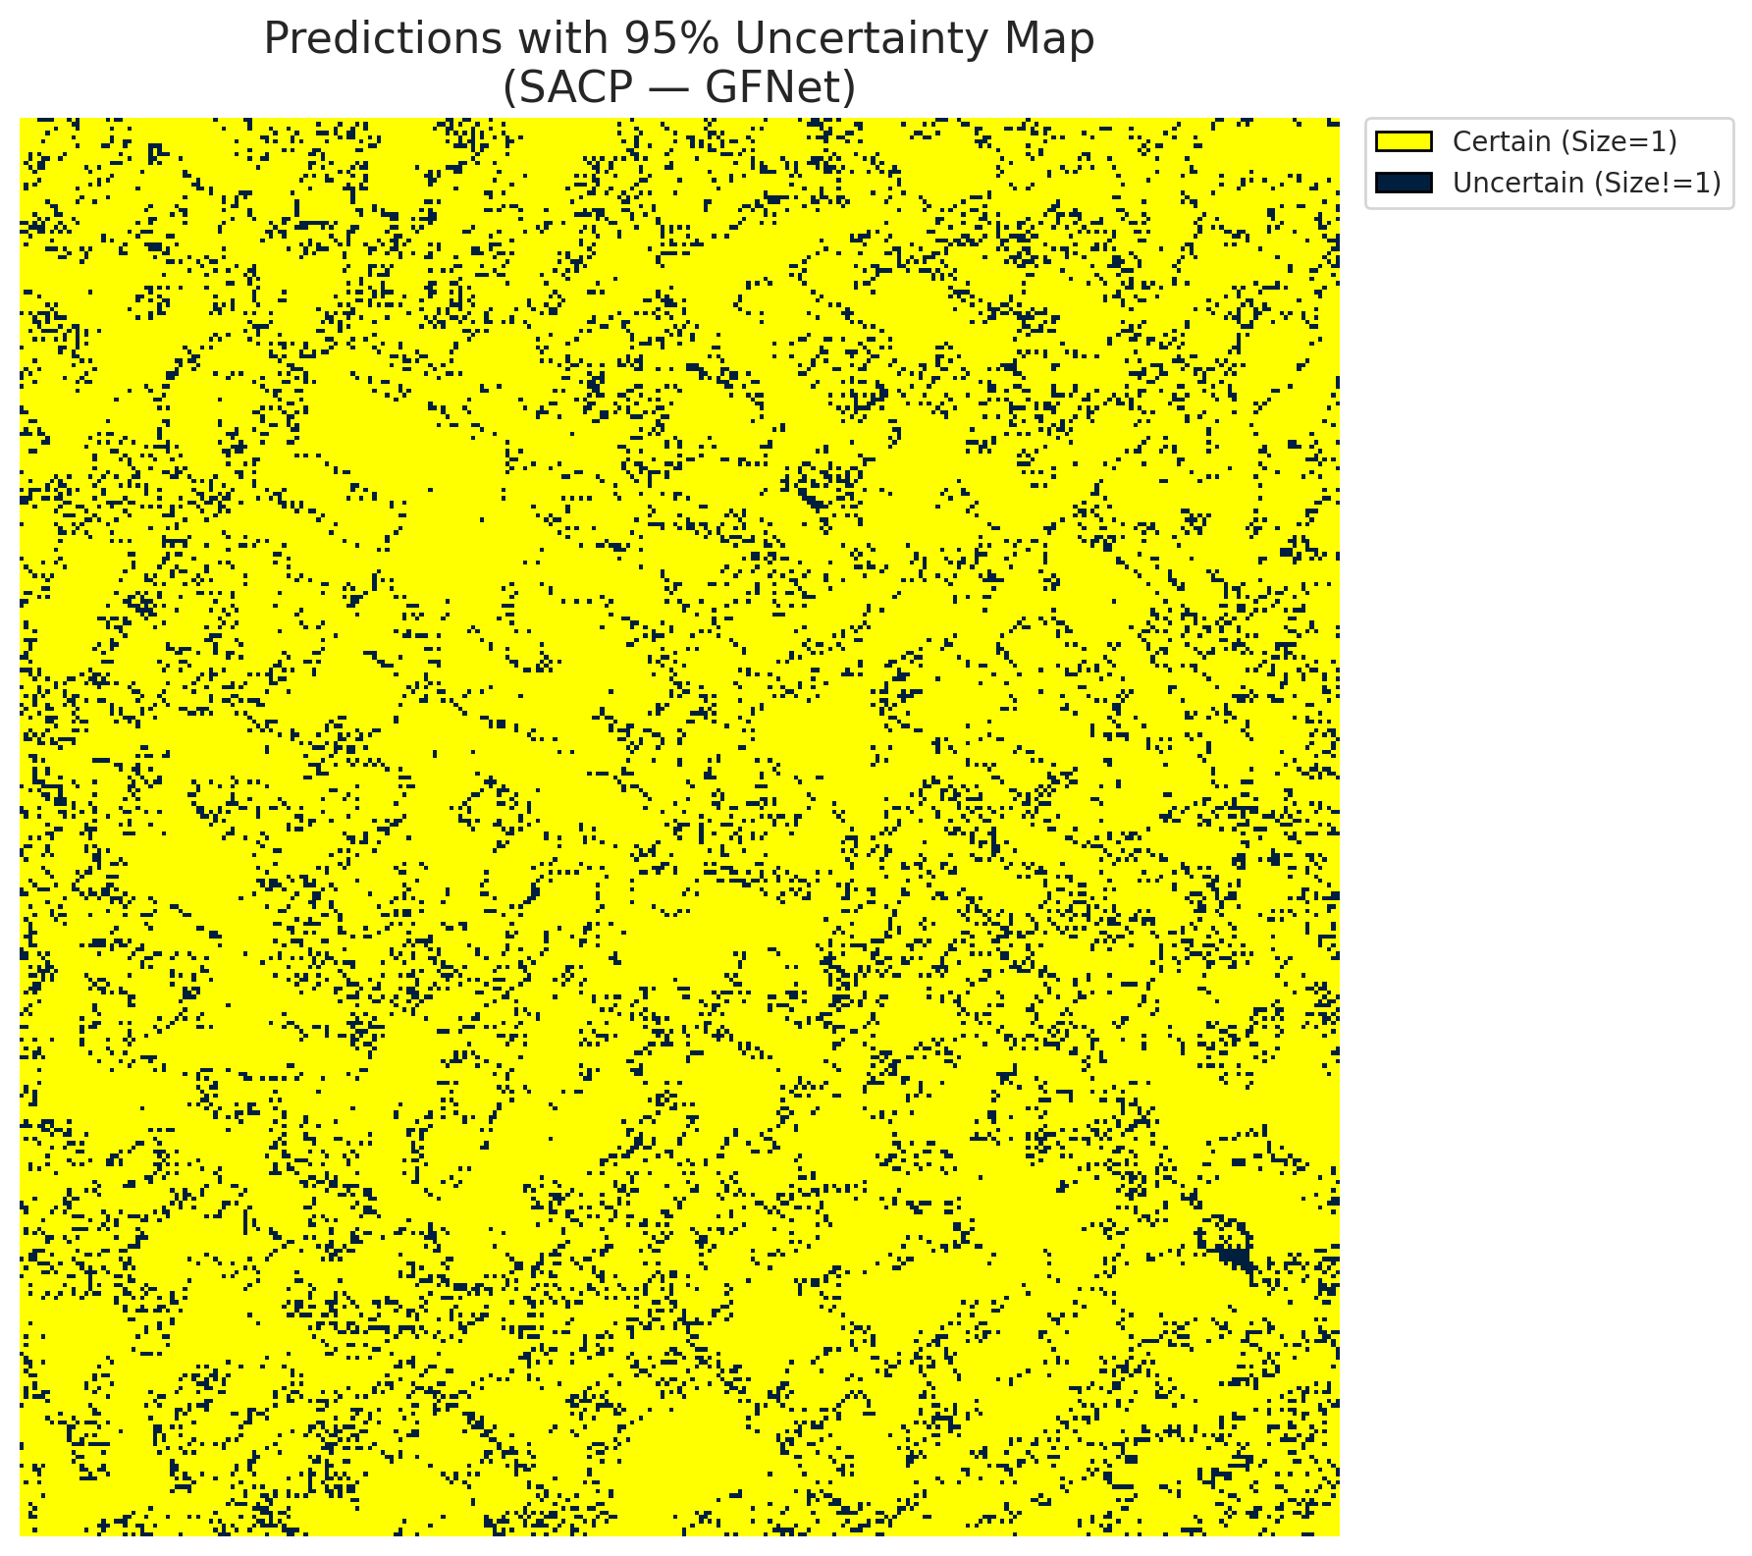
5 | Class 5 | 5958
6 | Class 6 | 2115
7 | Uncertain | 11192

SACP Parameters
q_hat | alpha | lambda | k | avg_set_size_eval
0.75772929388 | 0.05 | 0.5 | 1 | 1.0013921114

 |  |  |  |  |  |  |  |  | Class Map with Uncertain Mask
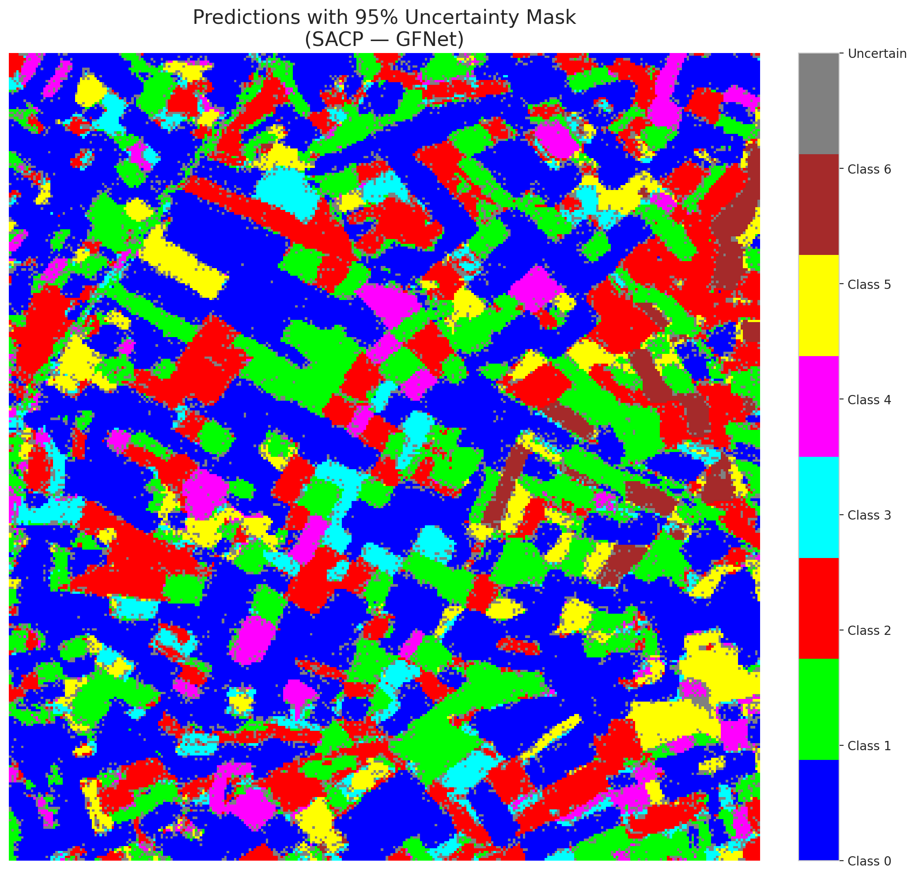

 |  |  |  |  |  |  |  |  | Pixel Counts

SACP_ViT
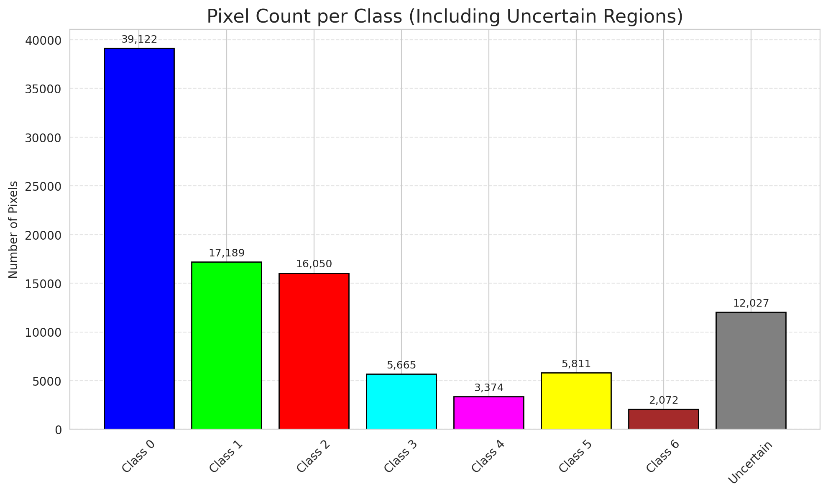
SACP - ViT |  |  |  |  |  |  |  |  | Per-Class Coverage
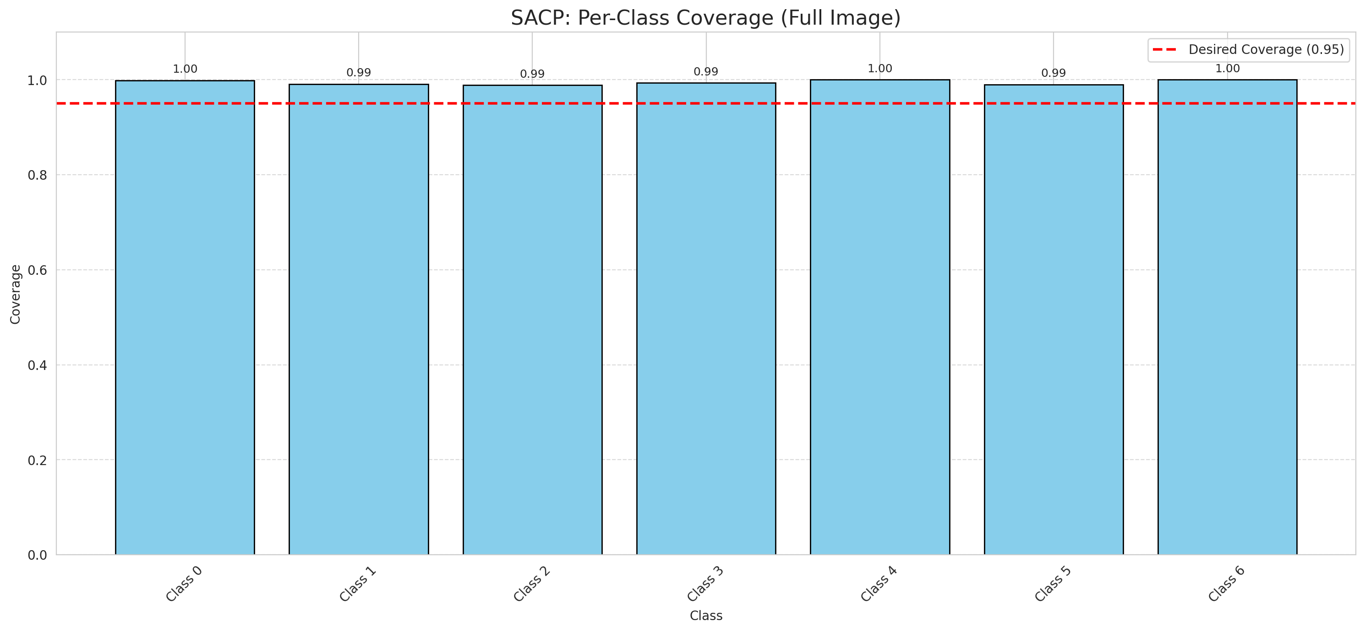
Summary
model_name | method | window_size | target_coverage | empirical_coverage | avg_set_size | median_set_size | singleton_rate | empty_set_rate | runtime_sec | alpha | lambda | k | q_hat | mean_per_class_coverage
ViT | SACP | 7 | 0.95 | 0.99489559165 | 1.0023201856 | 1 | 0.99767981439 | 0 | 55.768647615 | 0.05 | 0.5 | 1 | 0.73387784833 | 0.99465870065

Per-Class Coverage Values
class_id | class_coverage | support_count
0 | 0.9989059081 | 914
1 | 0.99118942731 | 454
2 | 0.98882681564 | 358
3 | 0.99358974359 | 156
4 | 1 | 104
5 | 0.9900990099 | 101
6 | 1 | 68

Pixel Counts
class_id | label | pixel_count
0 | Class 0 | 39122
1 | Class 1 | 17189
2 | Class 2 | 16050
3 | Class 3 | 5665
4 | Class 4 | 3374 |  |  |  |  |  |  | Certain vs Uncertain Map

5 | Class 5 | 5811
6 | Class 6 | 2072
7 | Uncertain | 12027

SACP Parameters
q_hat | alpha | lambda | k | avg_set_size_eval
0.73387784833 | 0.05 | 0.5 | 1 | 1.0023201856

 |  |  |  |  |  |  |  |  | Class Map with Uncertain Mask
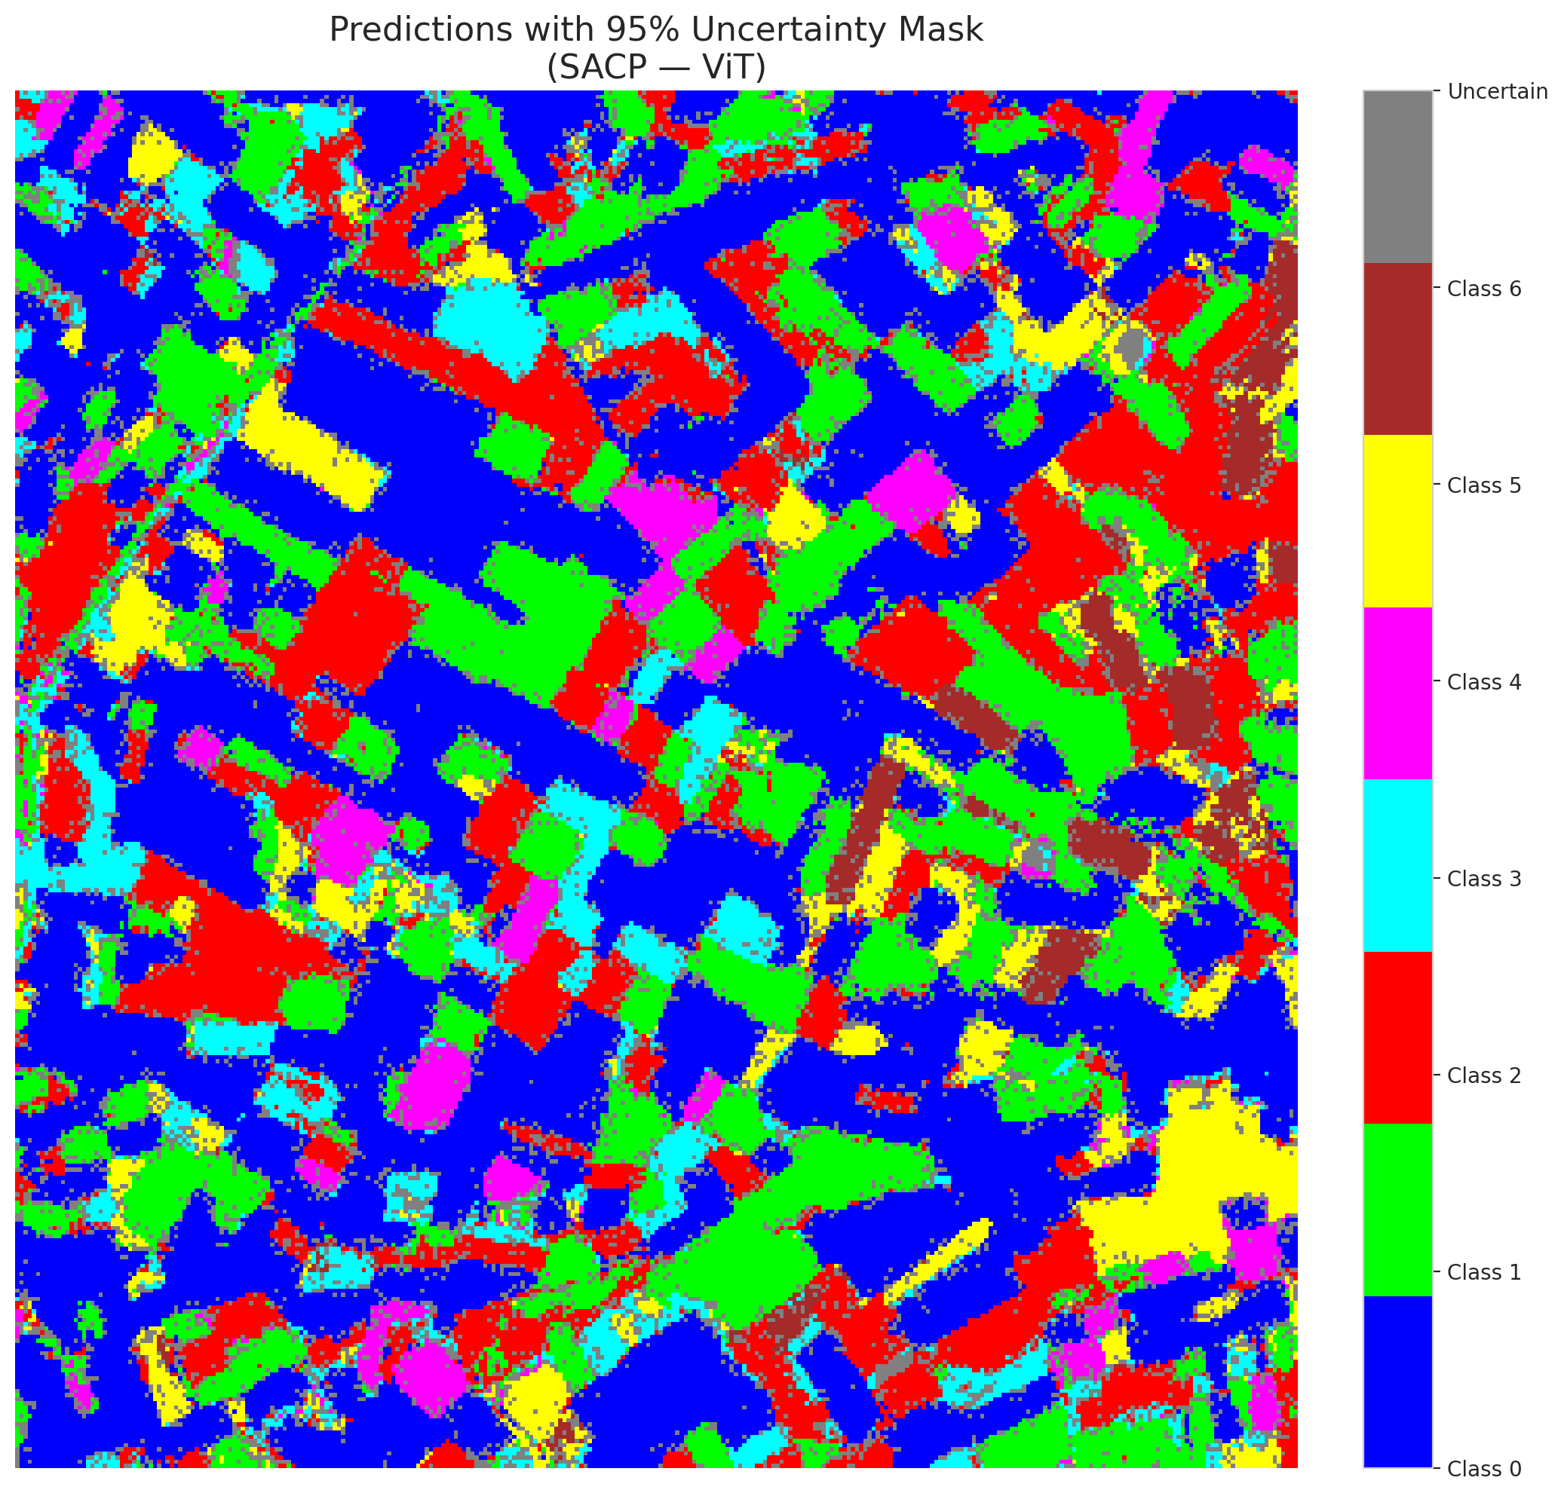

 |  |  |  |  |  |  |  |  | Pixel Counts

