SACP_AlexNet
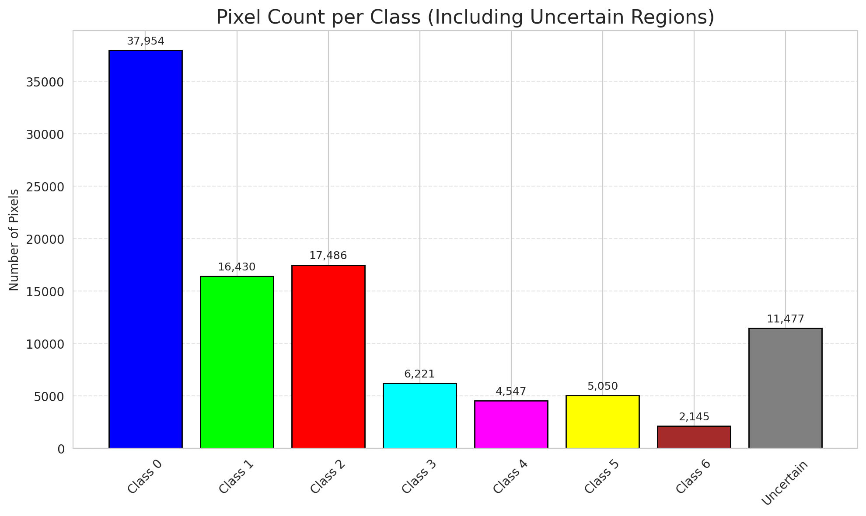
SACP - AlexNet |  |  |  |  |  |  |  |  | Per-Class Coverage
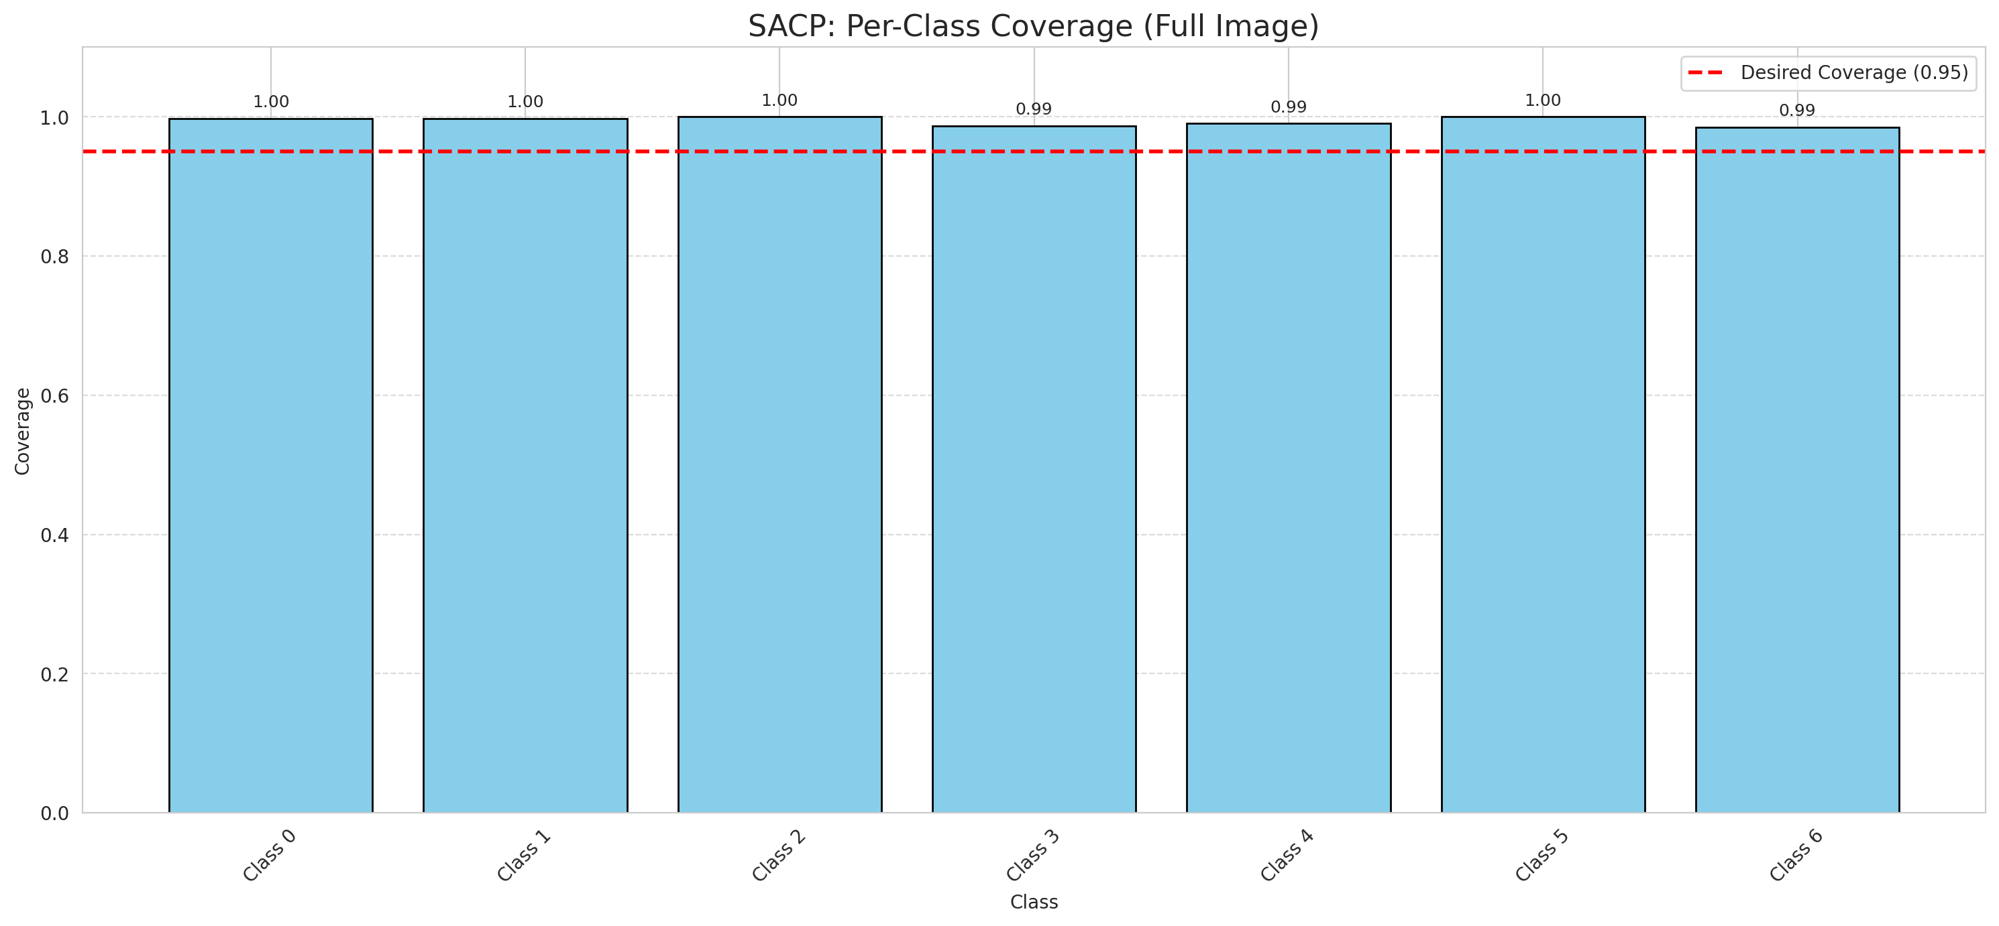
Summary
model_name | method | window_size | target_coverage | empirical_coverage | avg_set_size | median_set_size | singleton_rate | empty_set_rate | runtime_sec | alpha | lambda | k | q_hat | mean_per_class_coverage
AlexNet | SACP | 9 | 0.95 | 0.99675174014 | 1.0004640371 | 1 | 0.99953596288 | 0 | 60.279493289 | 0.05 | 0.5 | 1 | 0.77082335715 | 0.99406677046

Per-Class Coverage Values
class_id | class_coverage | support_count
0 | 0.99781181619 | 914
1 | 0.99779735683 | 454
2 | 1 | 358
3 | 0.98717948718 | 156
4 | 0.99038461538 | 104
5 | 1 | 101
6 | 0.98529411765 | 68

Pixel Counts
class_id | label | pixel_count
0 | Class 0 | 37954
1 | Class 1 | 16430
2 | Class 2 | 17486
3 | Class 3 | 6221
4 | Class 4 | 4547 |  |  |  |  |  |  | Certain vs Uncertain Map
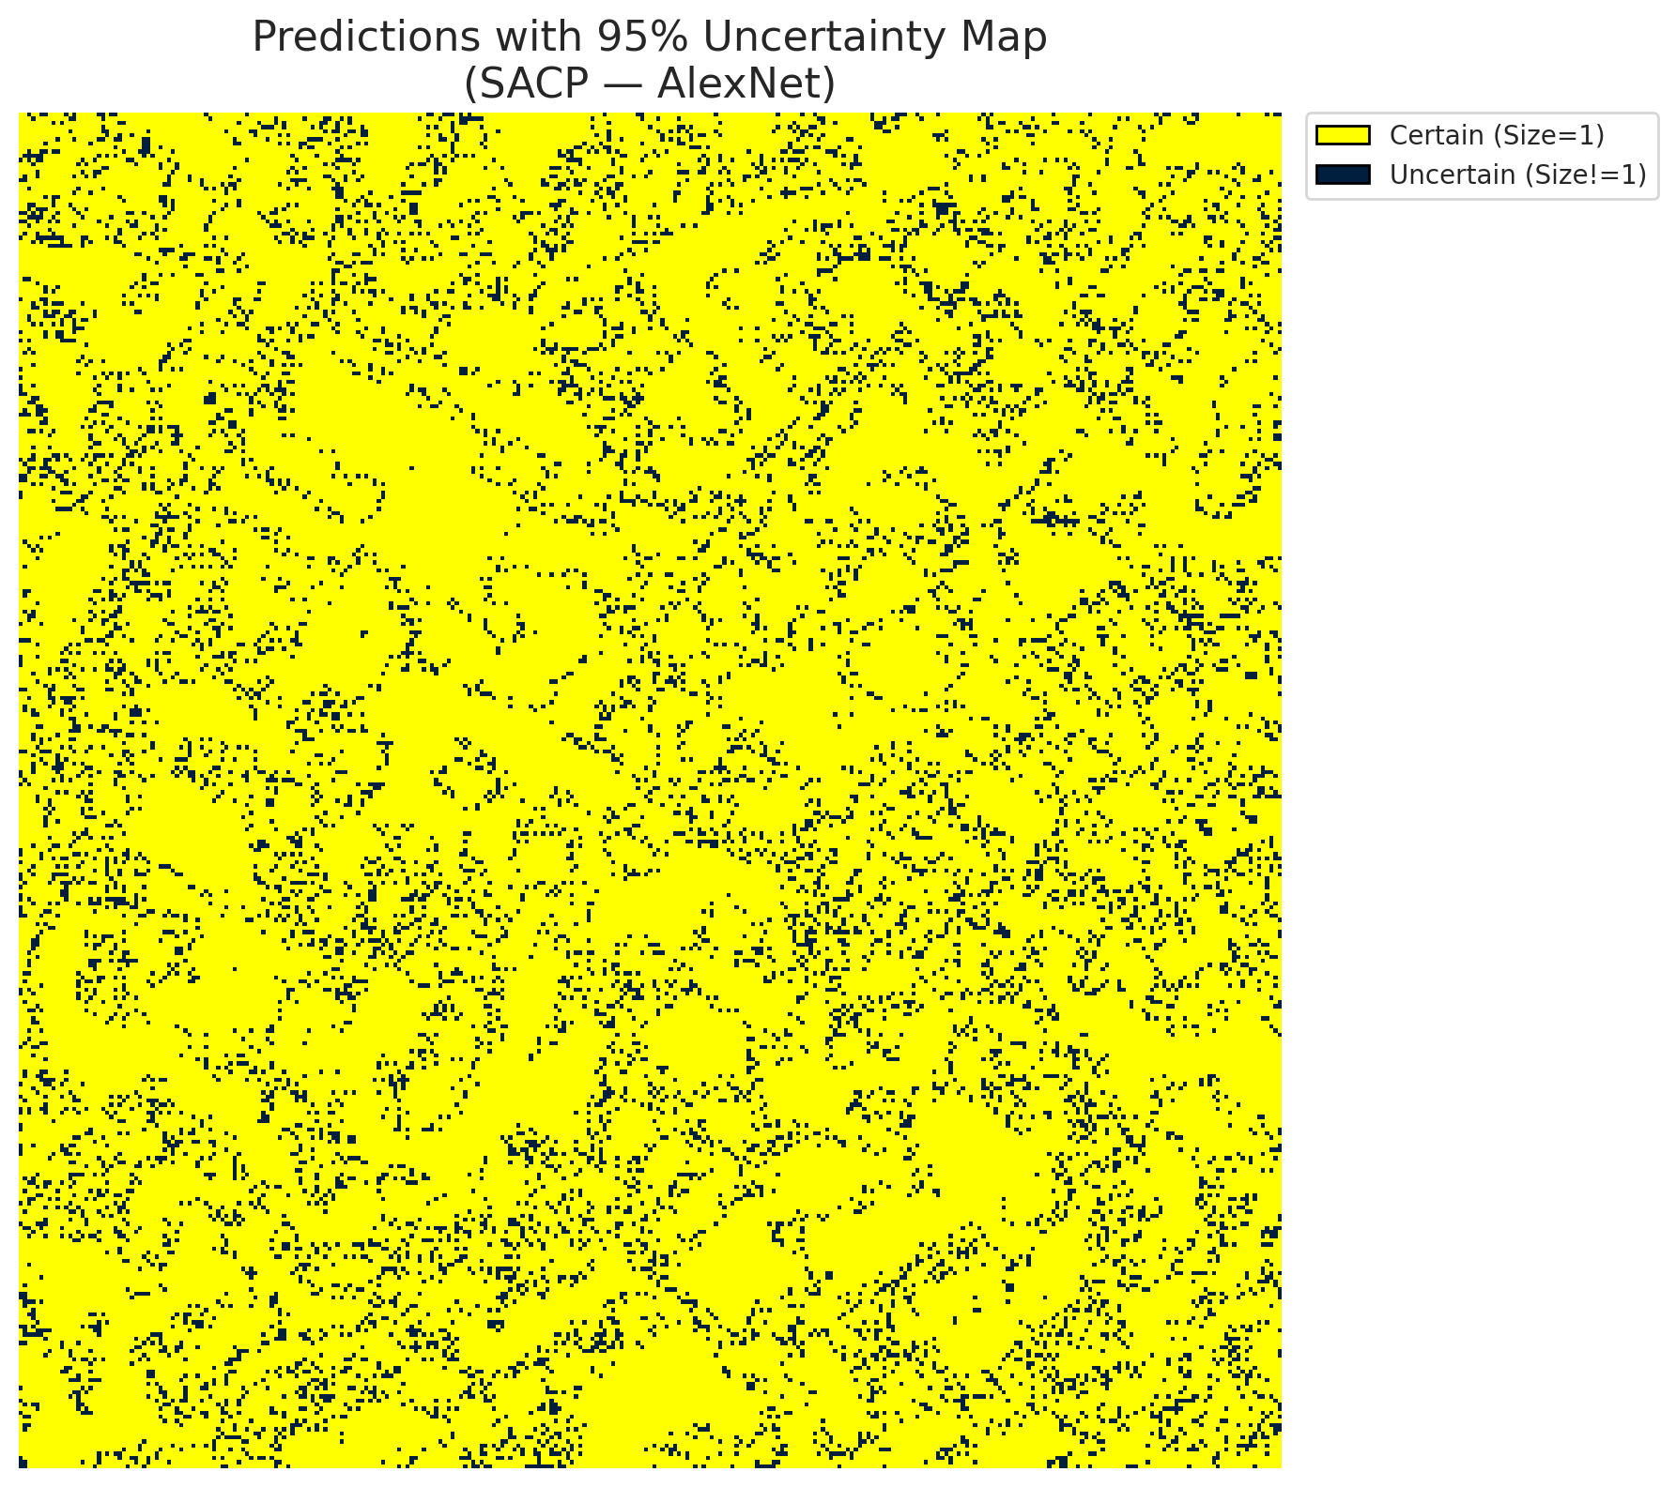
5 | Class 5 | 5050
6 | Class 6 | 2145
7 | Uncertain | 11477

SACP Parameters
q_hat | alpha | lambda | k | avg_set_size_eval
0.77082335715 | 0.05 | 0.5 | 1 | 1.0004640371

 |  |  |  |  |  |  |  |  | Class Map with Uncertain Mask
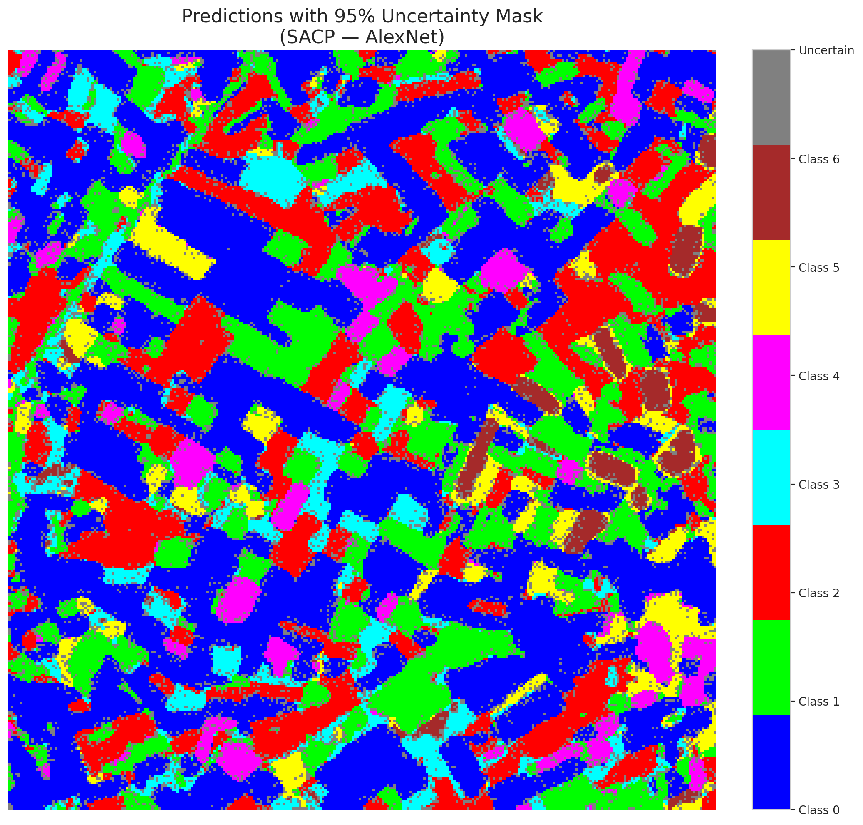

 |  |  |  |  |  |  |  |  | Pixel Counts

SACP_GFNet

SACP - GFNet |  |  |  |  |  |  |  |  | Per-Class Coverage
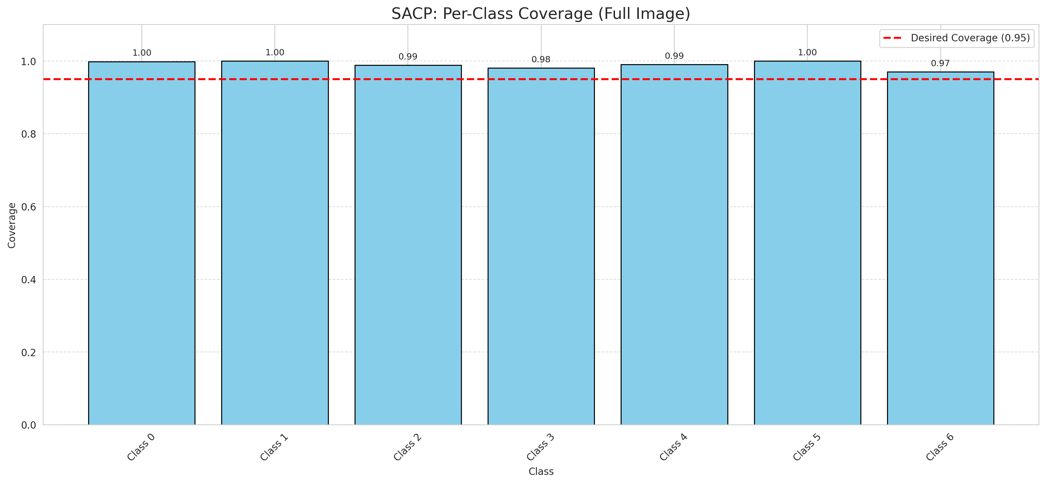
Summary
model_name | method | window_size | target_coverage | empirical_coverage | avg_set_size | median_set_size | singleton_rate | empty_set_rate | runtime_sec | alpha | lambda | k | q_hat | mean_per_class_coverage
GFNet | SACP | 9 | 0.95 | 0.99489559165 | 1 | 1 | 1 | 0 | 57.210490658 | 0.05 | 0.5 | 1 | 0.76662508155 | 0.98992497217

Per-Class Coverage Values
class_id | class_coverage | support_count
0 | 0.9989059081 | 914
1 | 1 | 454
2 | 0.98882681564 | 358
3 | 0.98076923077 | 156
4 | 0.99038461538 | 104
5 | 1 | 101
6 | 0.97058823529 | 68

Pixel Counts
class_id | label | pixel_count
0 | Class 0 | 39704
1 | Class 1 | 16814
2 | Class 2 | 16454
3 | Class 3 | 4504
4 | Class 4 | 3908 |  |  |  |  |  |  | Certain vs Uncertain Map
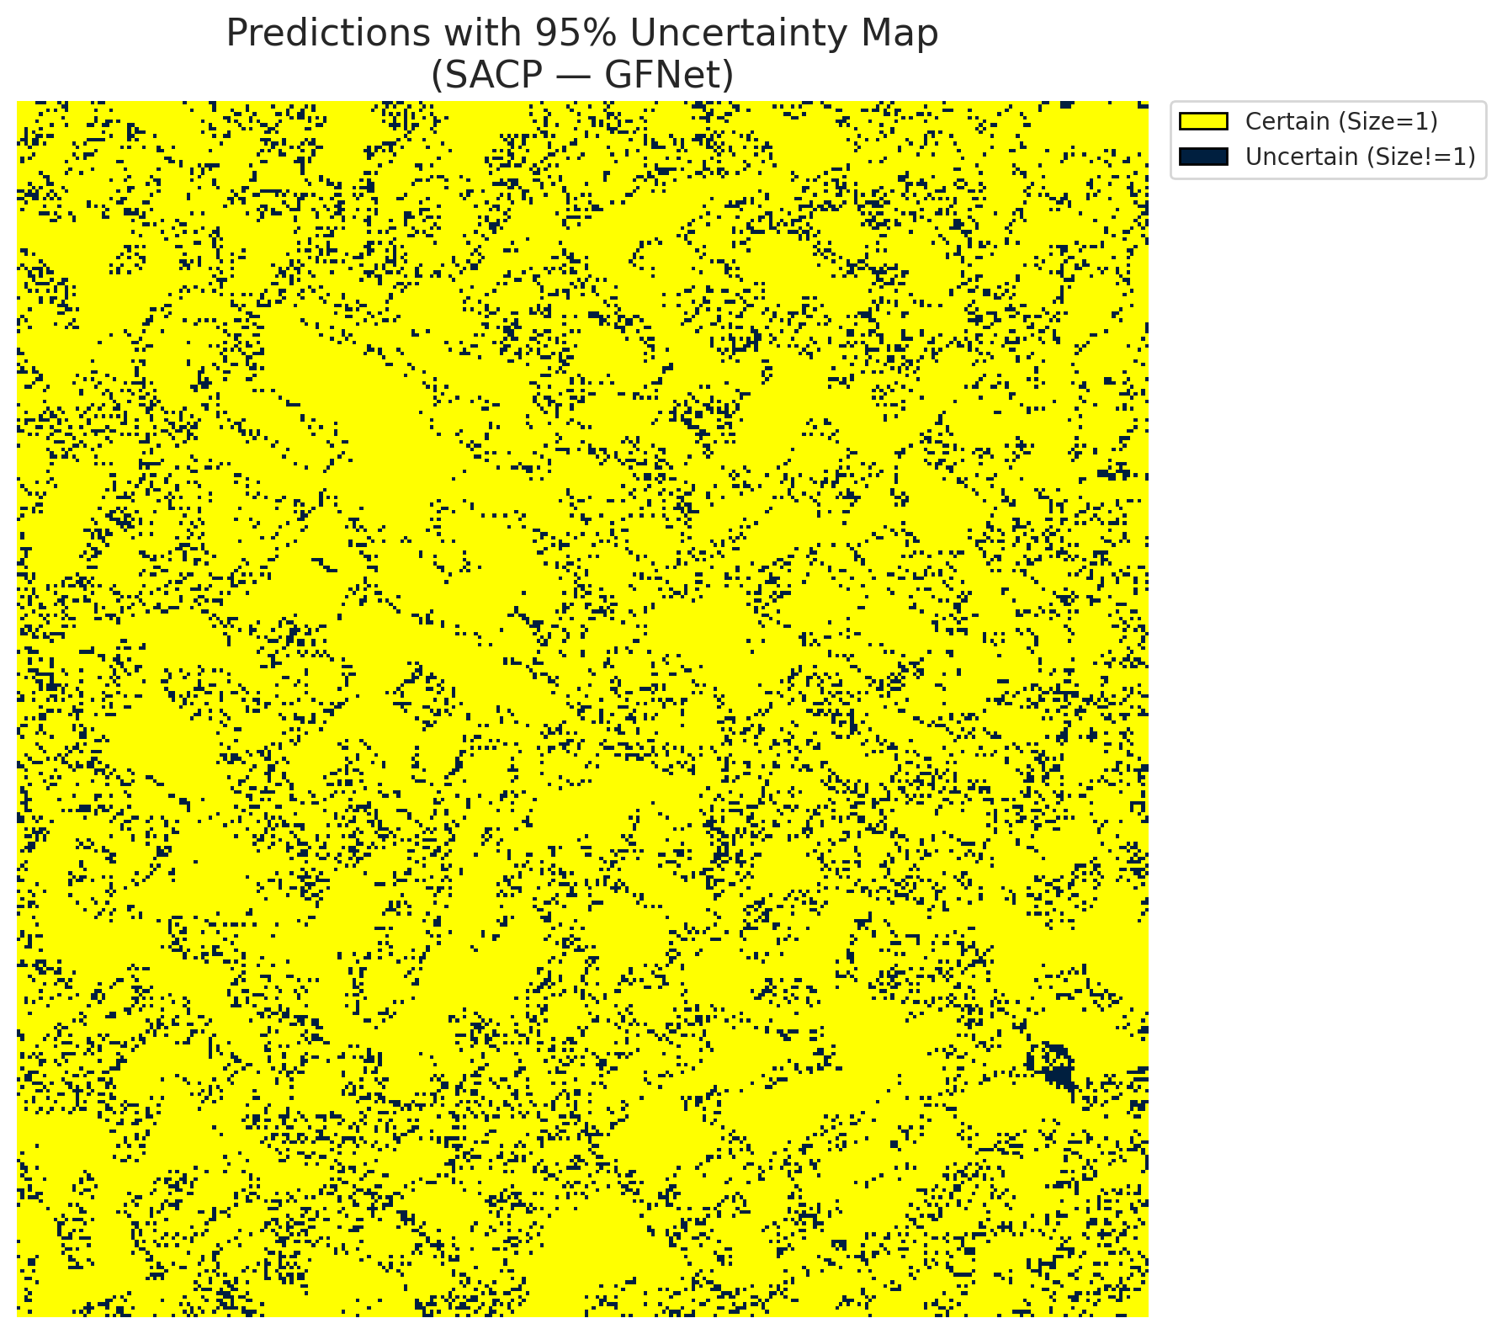
5 | Class 5 | 5850
6 | Class 6 | 2088
7 | Uncertain | 11988

SACP Parameters
q_hat | alpha | lambda | k | avg_set_size_eval
0.76662508155 | 0.05 | 0.5 | 1 | 1

 |  |  |  |  |  |  |  |  | Class Map with Uncertain Mask
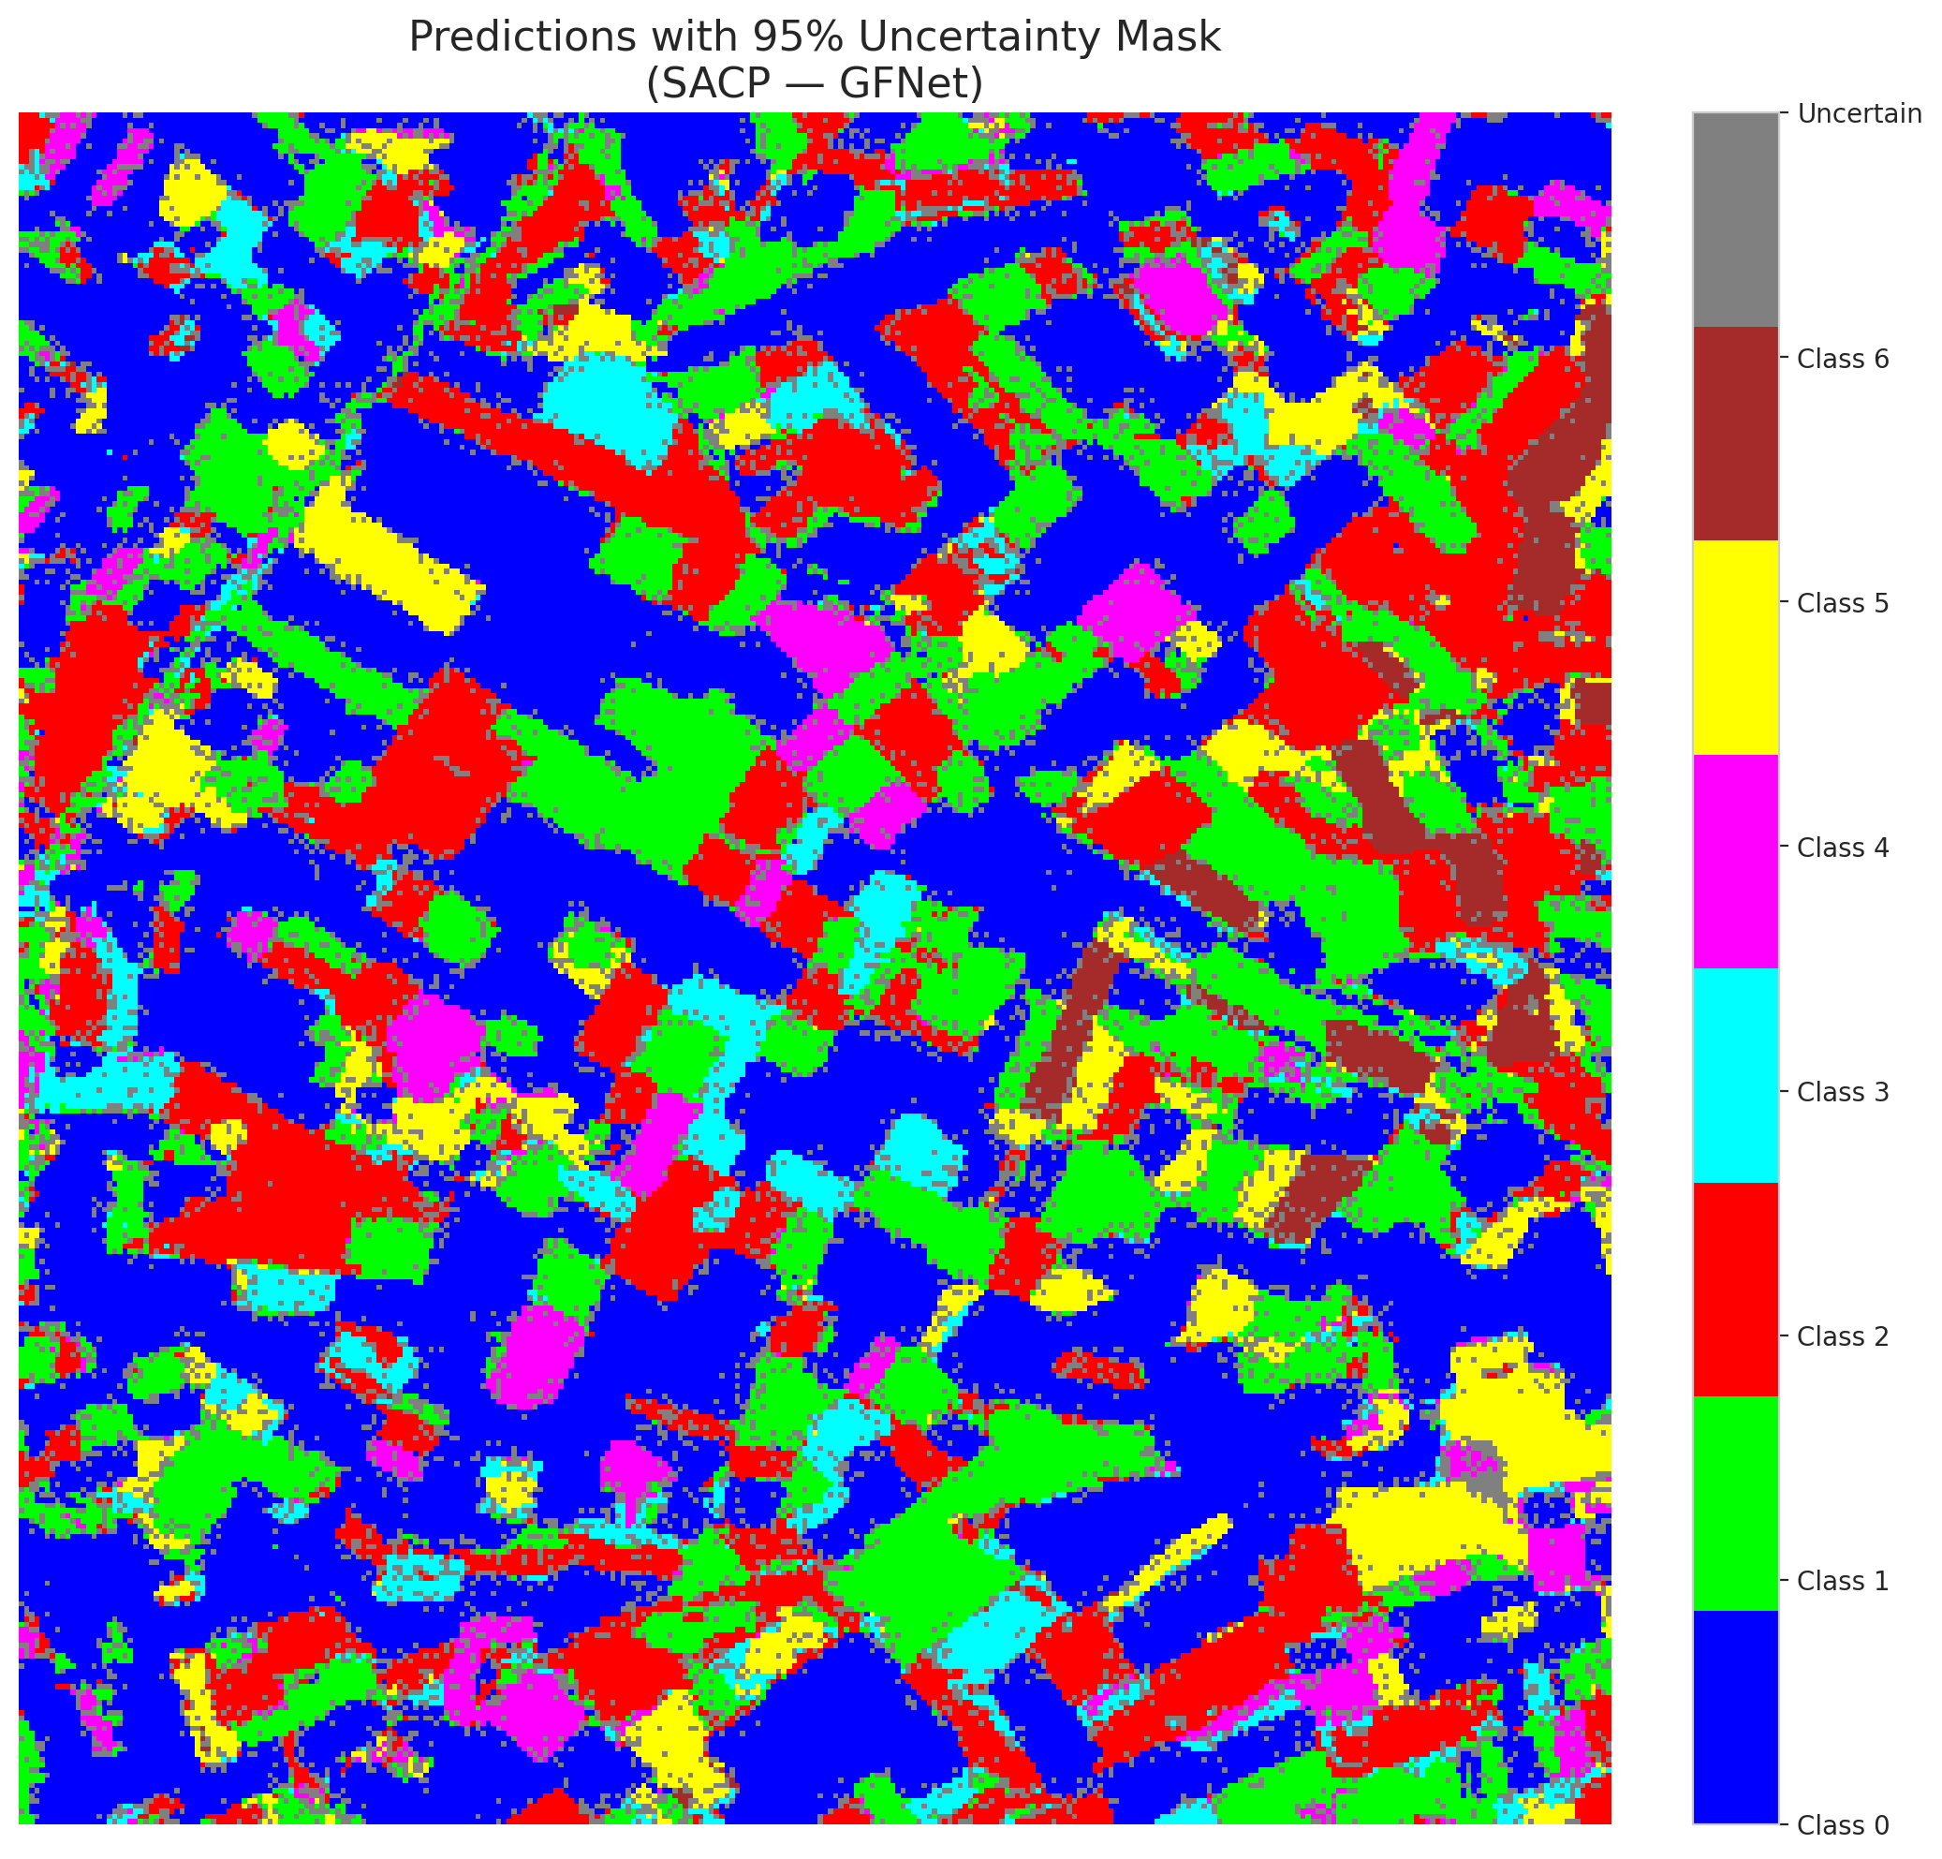

 |  |  |  |  |  |  |  |  | Pixel Counts

SACP_ViT
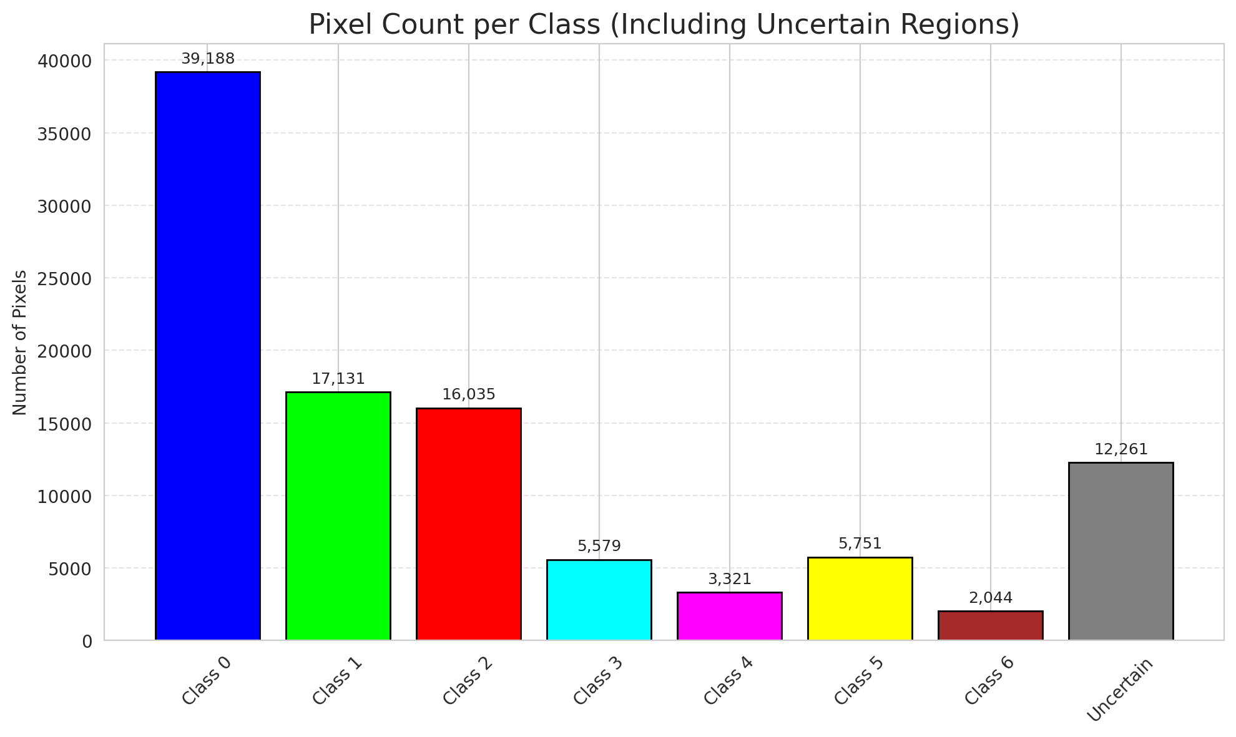
SACP - ViT |  |  |  |  |  |  |  |  | Per-Class Coverage
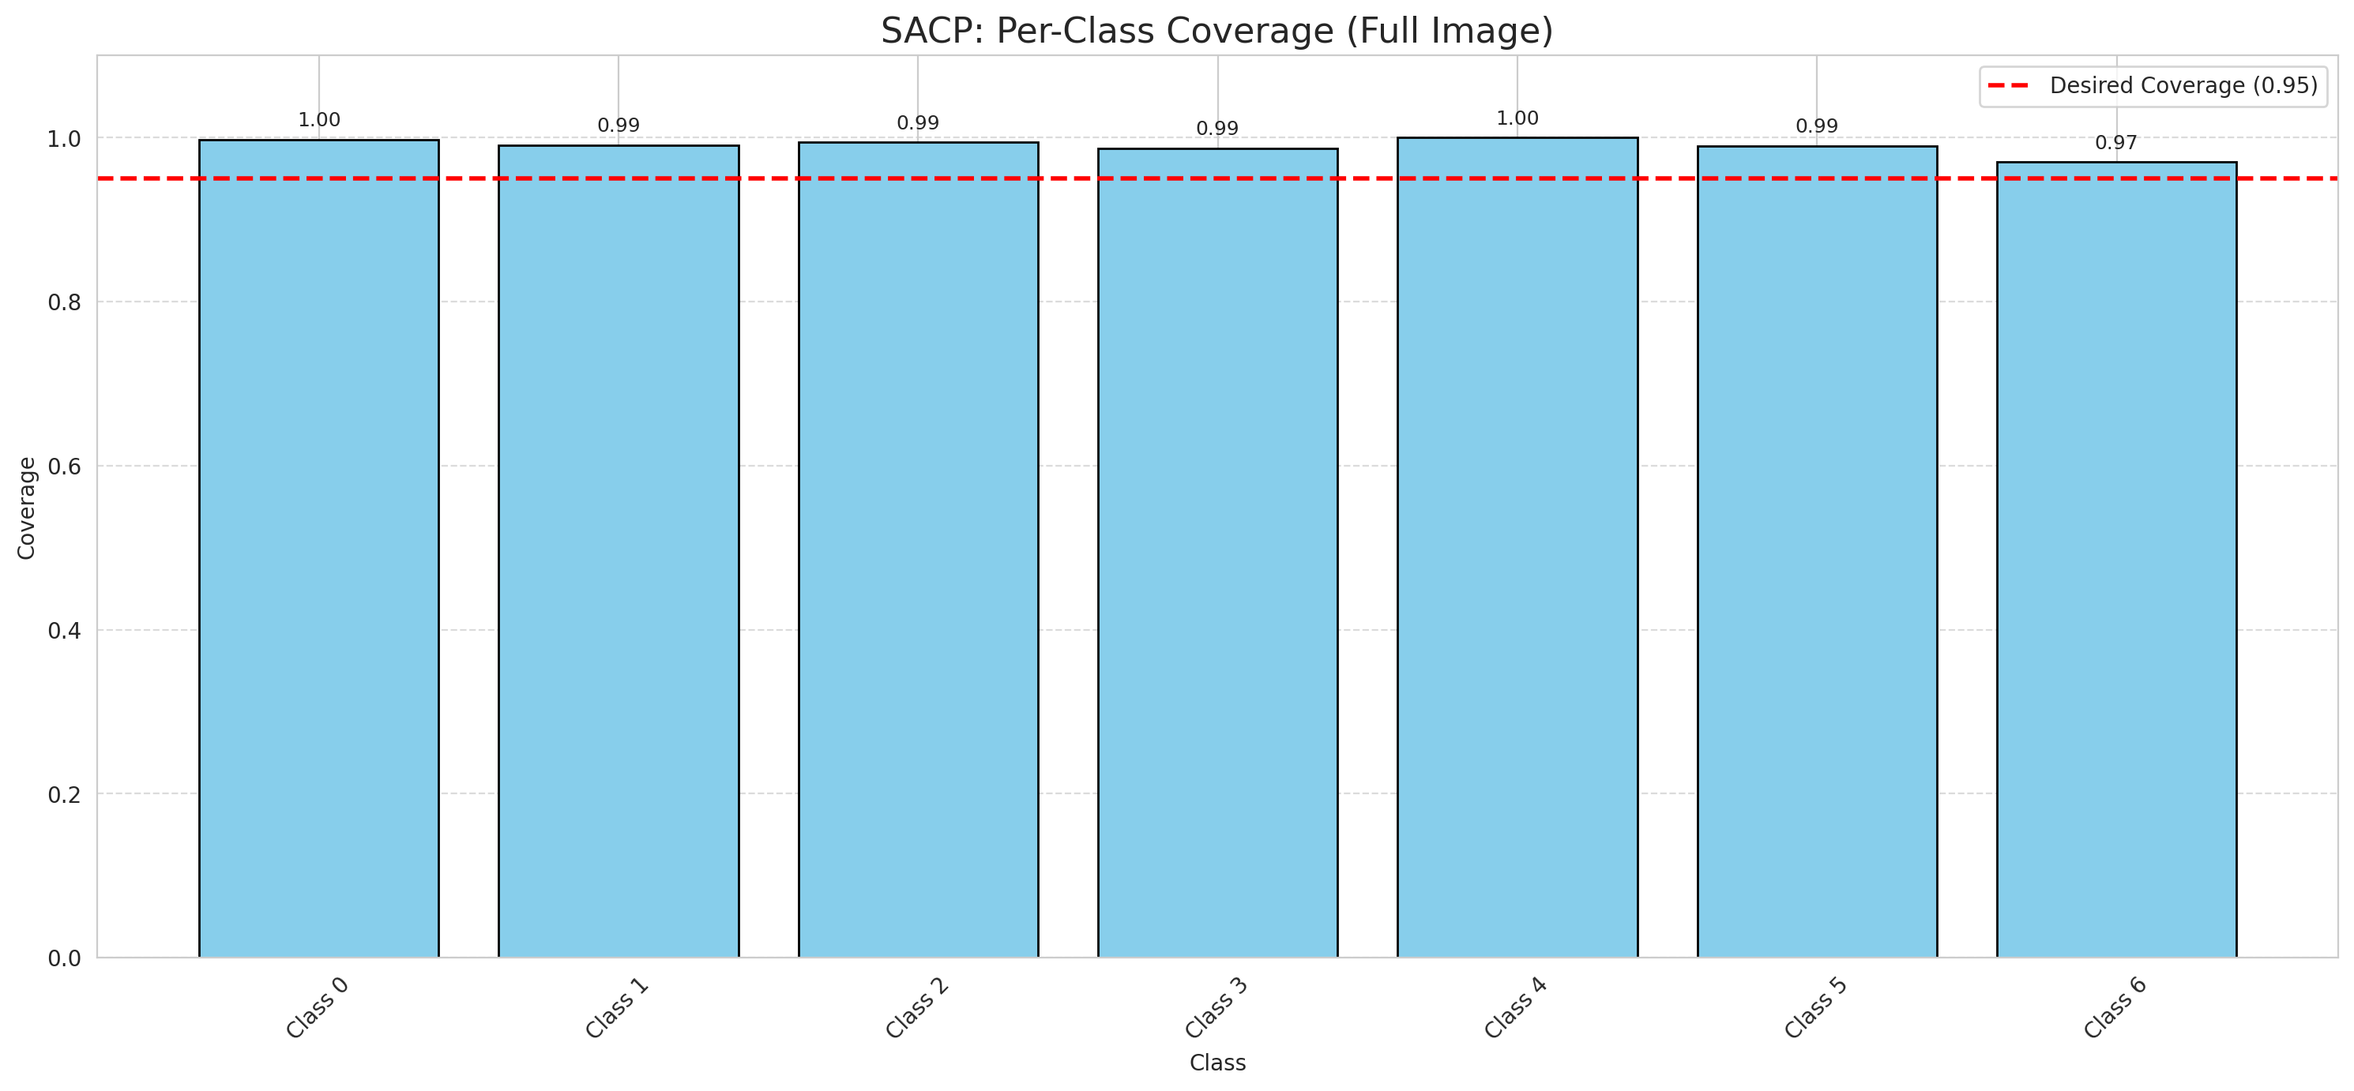
Summary
model_name | method | window_size | target_coverage | empirical_coverage | avg_set_size | median_set_size | singleton_rate | empty_set_rate | runtime_sec | alpha | lambda | k | q_hat | mean_per_class_coverage
ViT | SACP | 9 | 0.95 | 0.9939675174 | 1.003712297 | 1 | 0.99628770302 | 0 | 61.253339049 | 0.05 | 0.5 | 1 | 0.74723318081 | 0.99018305481

Per-Class Coverage Values
class_id | class_coverage | support_count
0 | 0.99781181619 | 914
1 | 0.99118942731 | 454
2 | 0.99441340782 | 358
3 | 0.98717948718 | 156
4 | 1 | 104
5 | 0.9900990099 | 101
6 | 0.97058823529 | 68

Pixel Counts
class_id | label | pixel_count
0 | Class 0 | 39188
1 | Class 1 | 17131
2 | Class 2 | 16035
3 | Class 3 | 5579
4 | Class 4 | 3321 |  |  |  |  |  |  | Certain vs Uncertain Map

5 | Class 5 | 5751
6 | Class 6 | 2044
7 | Uncertain | 12261

SACP Parameters
q_hat | alpha | lambda | k | avg_set_size_eval
0.74723318081 | 0.05 | 0.5 | 1 | 1.003712297

 |  |  |  |  |  |  |  |  | Class Map with Uncertain Mask
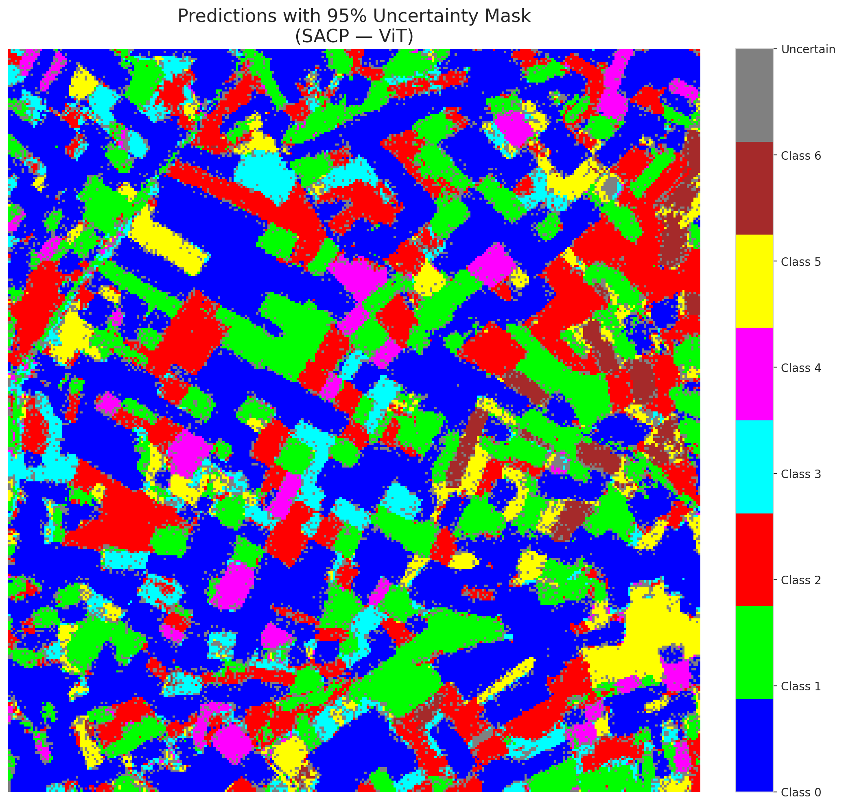

 |  |  |  |  |  |  |  |  | Pixel Counts

