Split_AlexNet
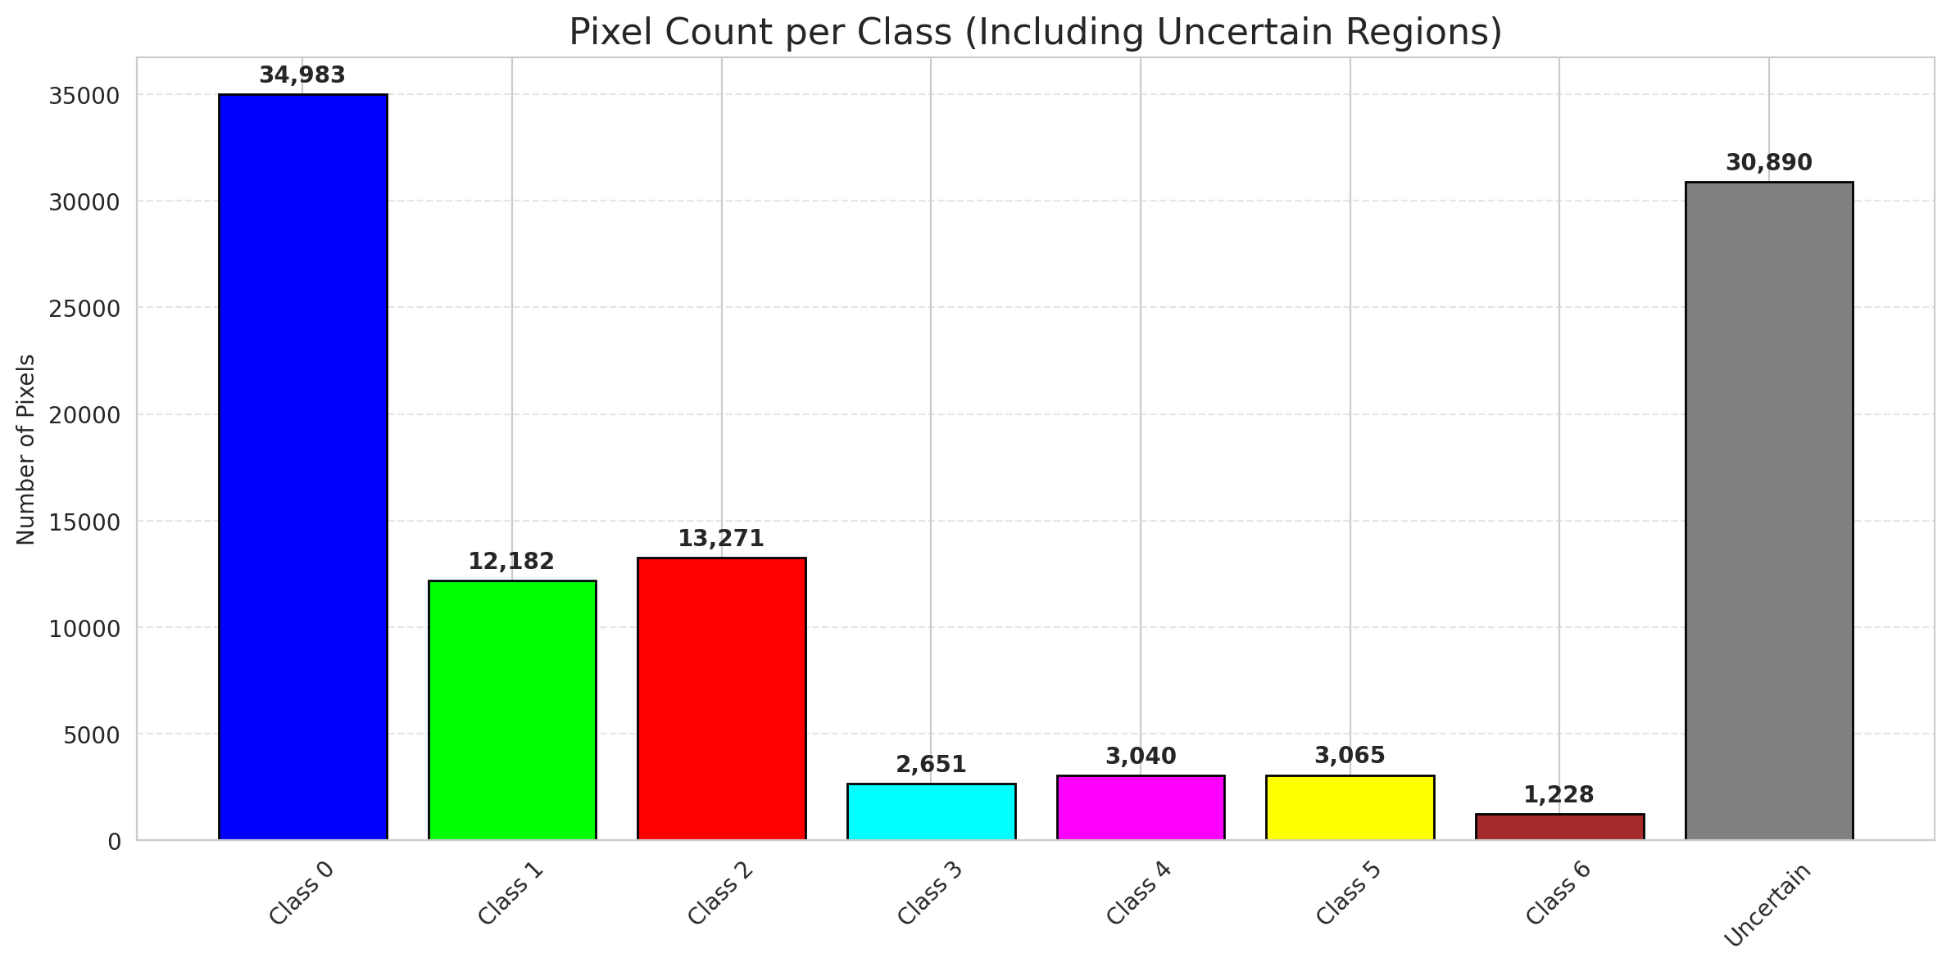
SplitConformal - AlexNet |  |  |  |  |  |  |  |  | Per-Class Coverage
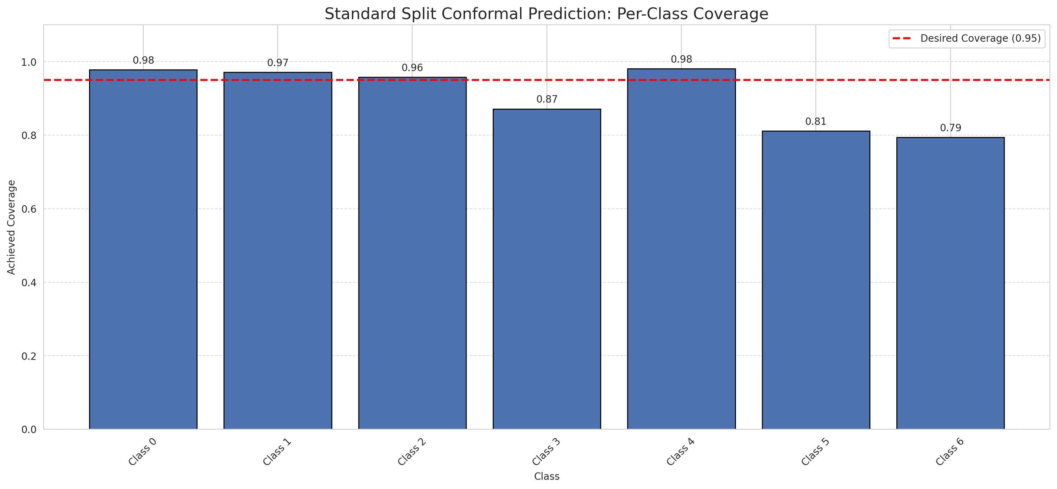
Summary
model_name | method | target_coverage | empirical_coverage | avg_set_size | median_set_size | singleton_rate | empty_set_rate | runtime_sec | alpha | lam | n_clusters | mean_per_class_coverage
AlexNet | SplitConformal | 0.95 | 0.95220417633 | 0.95220417633 | 1 | 0.95220417633 | 0.047795823666 | 2.428998215 | 0.05 |  |  | 0.90944961387

Per-Class Coverage Values
class_id | class_coverage | support_count
0 | 0.97811816193 | 914
1 | 0.97136563877 | 454
2 | 0.95810055866 | 358
3 | 0.87179487179 | 156
4 | 0.98076923077 | 104
5 | 0.81188118812 | 101
6 | 0.79411764706 | 68

Pixel Counts
class_id | label | pixel_count
0 | Class 0 | 34983
1 | Class 1 | 12182
2 | Class 2 | 13271
3 | Class 3 | 2651
4 | Class 4 | 3040 |  |  |  |  |  |  | Certain vs Uncertain Map
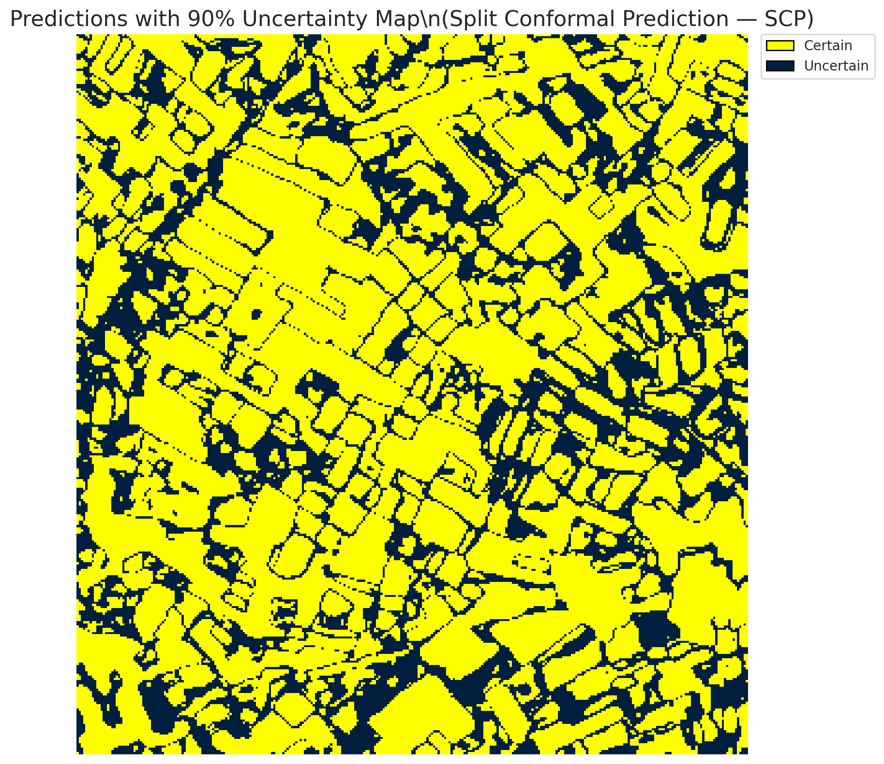
5 | Class 5 | 3065
6 | Class 6 | 1228
7 | Uncertain | 30890

Threshold
q_hat_split
0.00019567306979

 |  |  |  |  |  |  |  |  | Class Map with Uncertain Mask
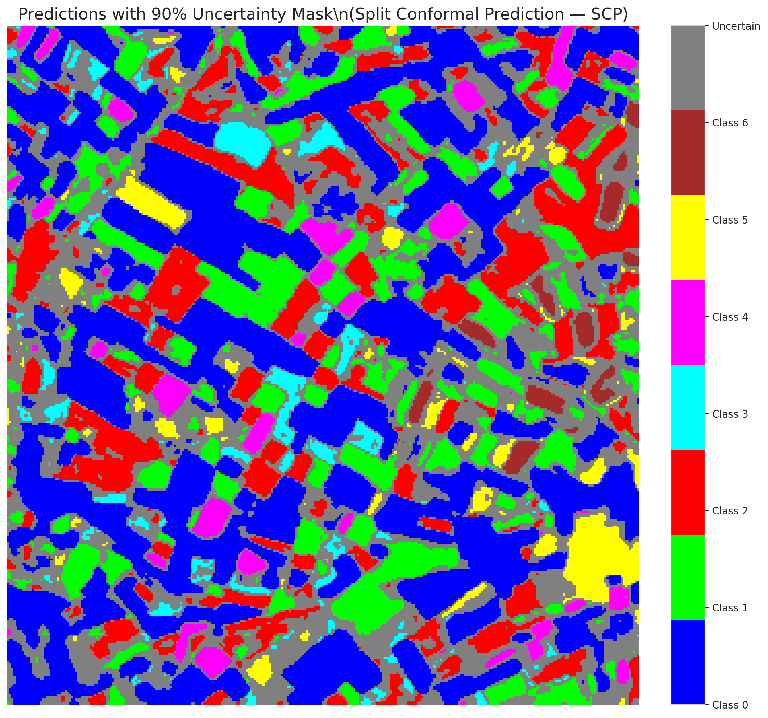

 |  |  |  |  |  |  |  |  | Pixel Counts

ClassCond_AlexNet
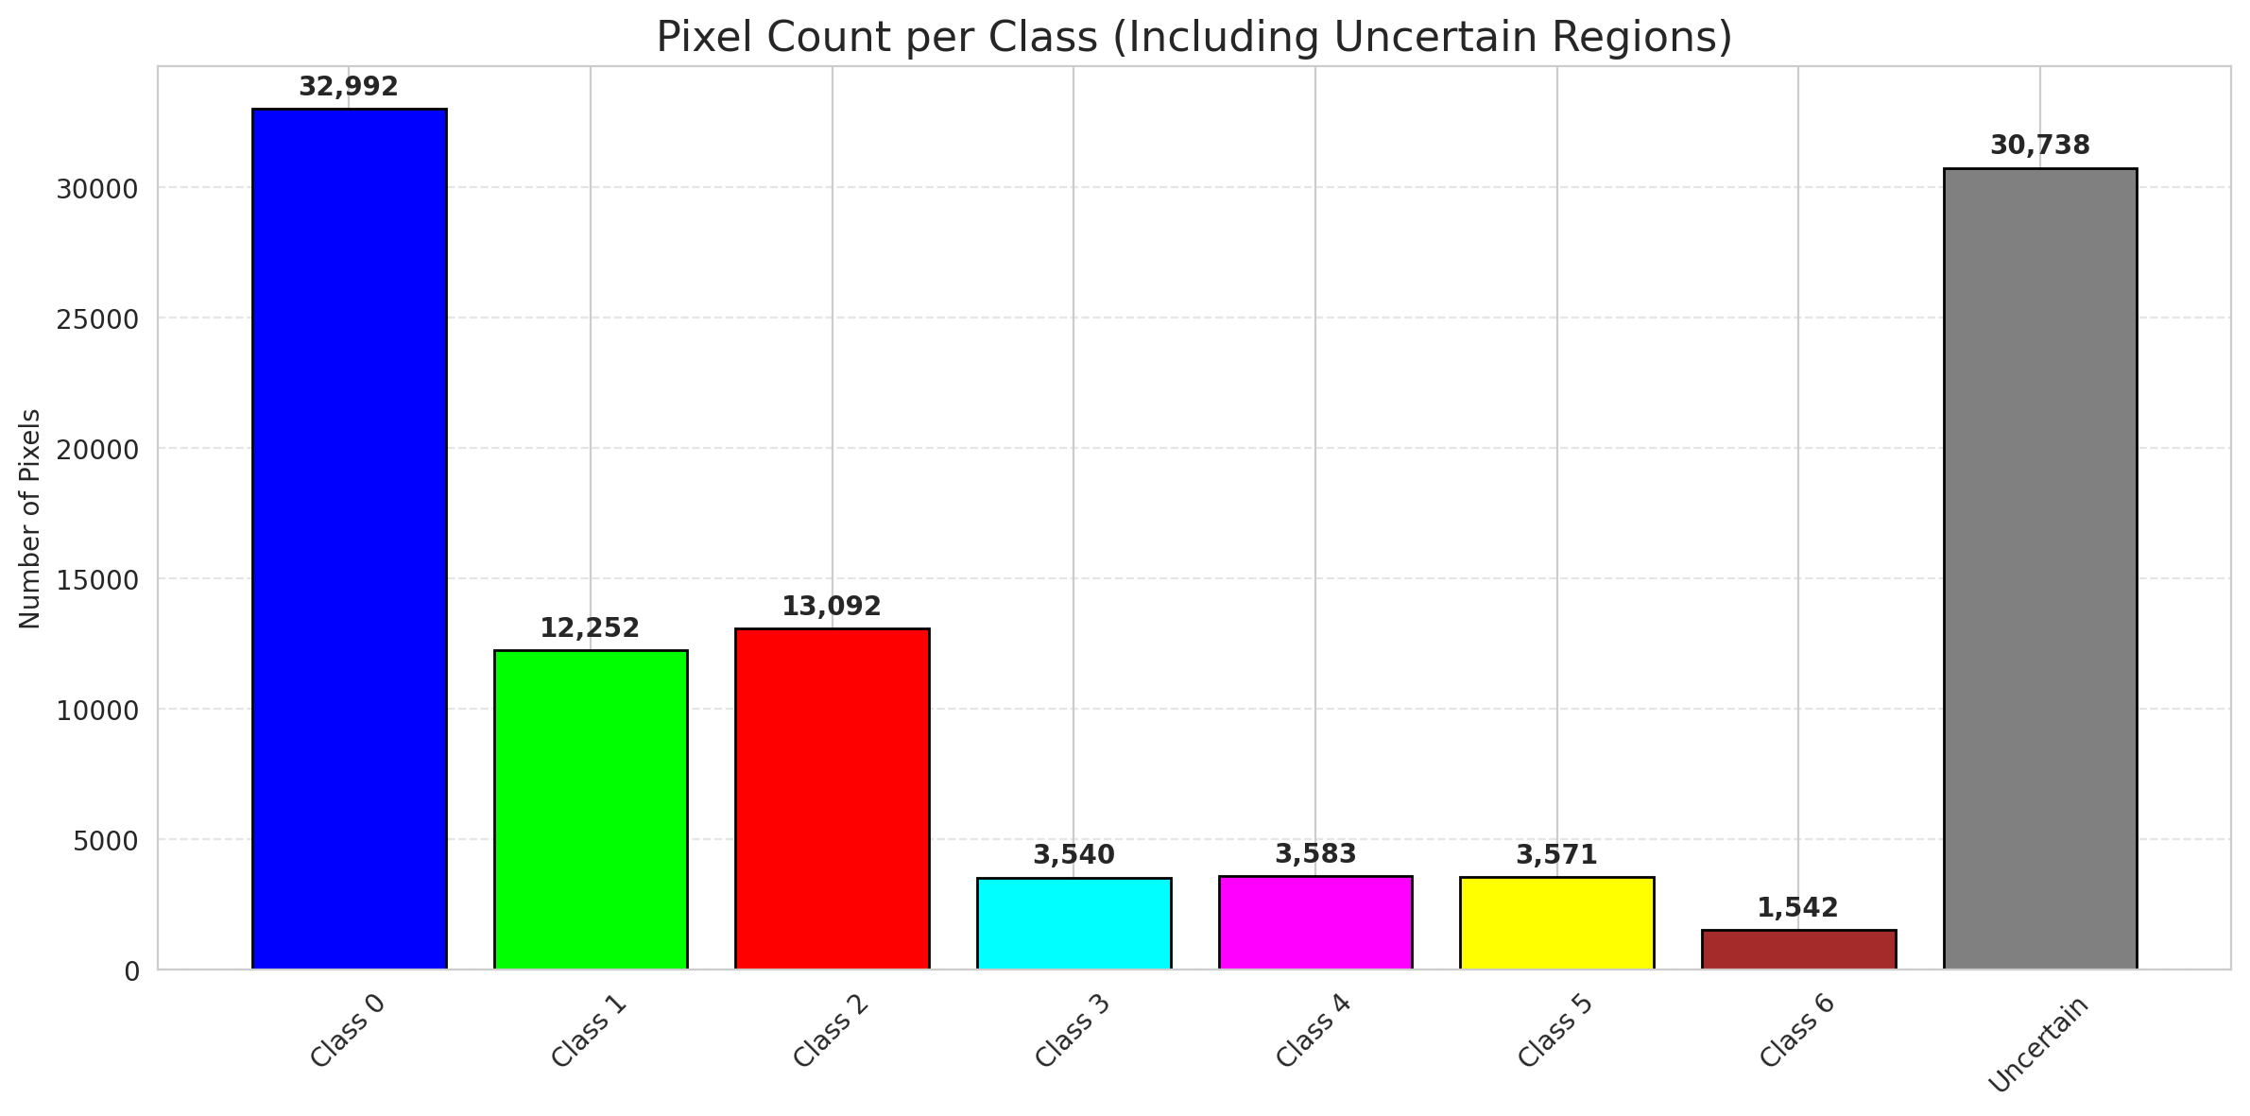
ClassConditionalConformal - AlexNet |  |  |  |  |  |  |  |  | Per-Class Coverage
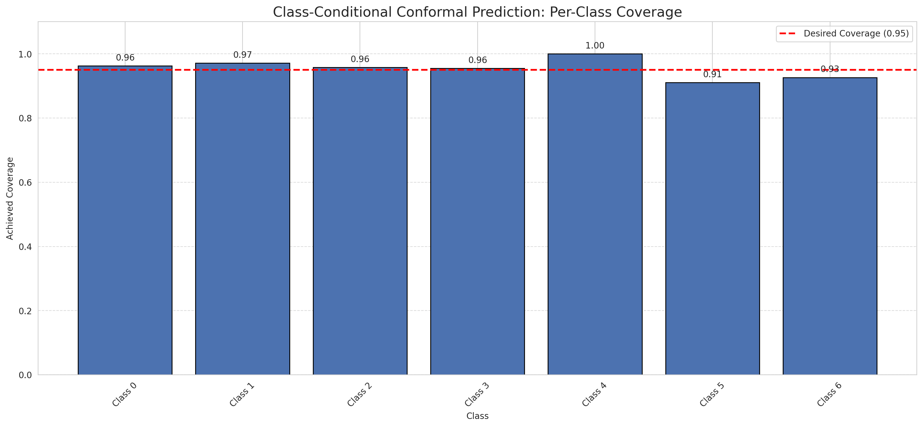
Summary
model_name | method | target_coverage | empirical_coverage | avg_set_size | median_set_size | singleton_rate | empty_set_rate | runtime_sec | alpha | lam | n_clusters | mean_per_class_coverage
AlexNet | ClassConditionalConformal | 0.95 | 0.96148491879 | 0.96148491879 | 1 | 0.96148491879 | 0.038515081206 | 1.527056326 | 0.05 |  |  | 0.95496527931

Per-Class Coverage Values
class_id | class_coverage | support_count
0 | 0.96280087527 | 914
1 | 0.97136563877 | 454
2 | 0.95810055866 | 358
3 | 0.95512820513 | 156
4 | 1 | 104
5 | 0.91089108911 | 101
6 | 0.92647058824 | 68

Pixel Counts
class_id | label | pixel_count
0 | Class 0 | 32992
1 | Class 1 | 12252
2 | Class 2 | 13092
3 | Class 3 | 3540
4 | Class 4 | 3583 |  |  |  |  |  |  | Certain vs Uncertain Map
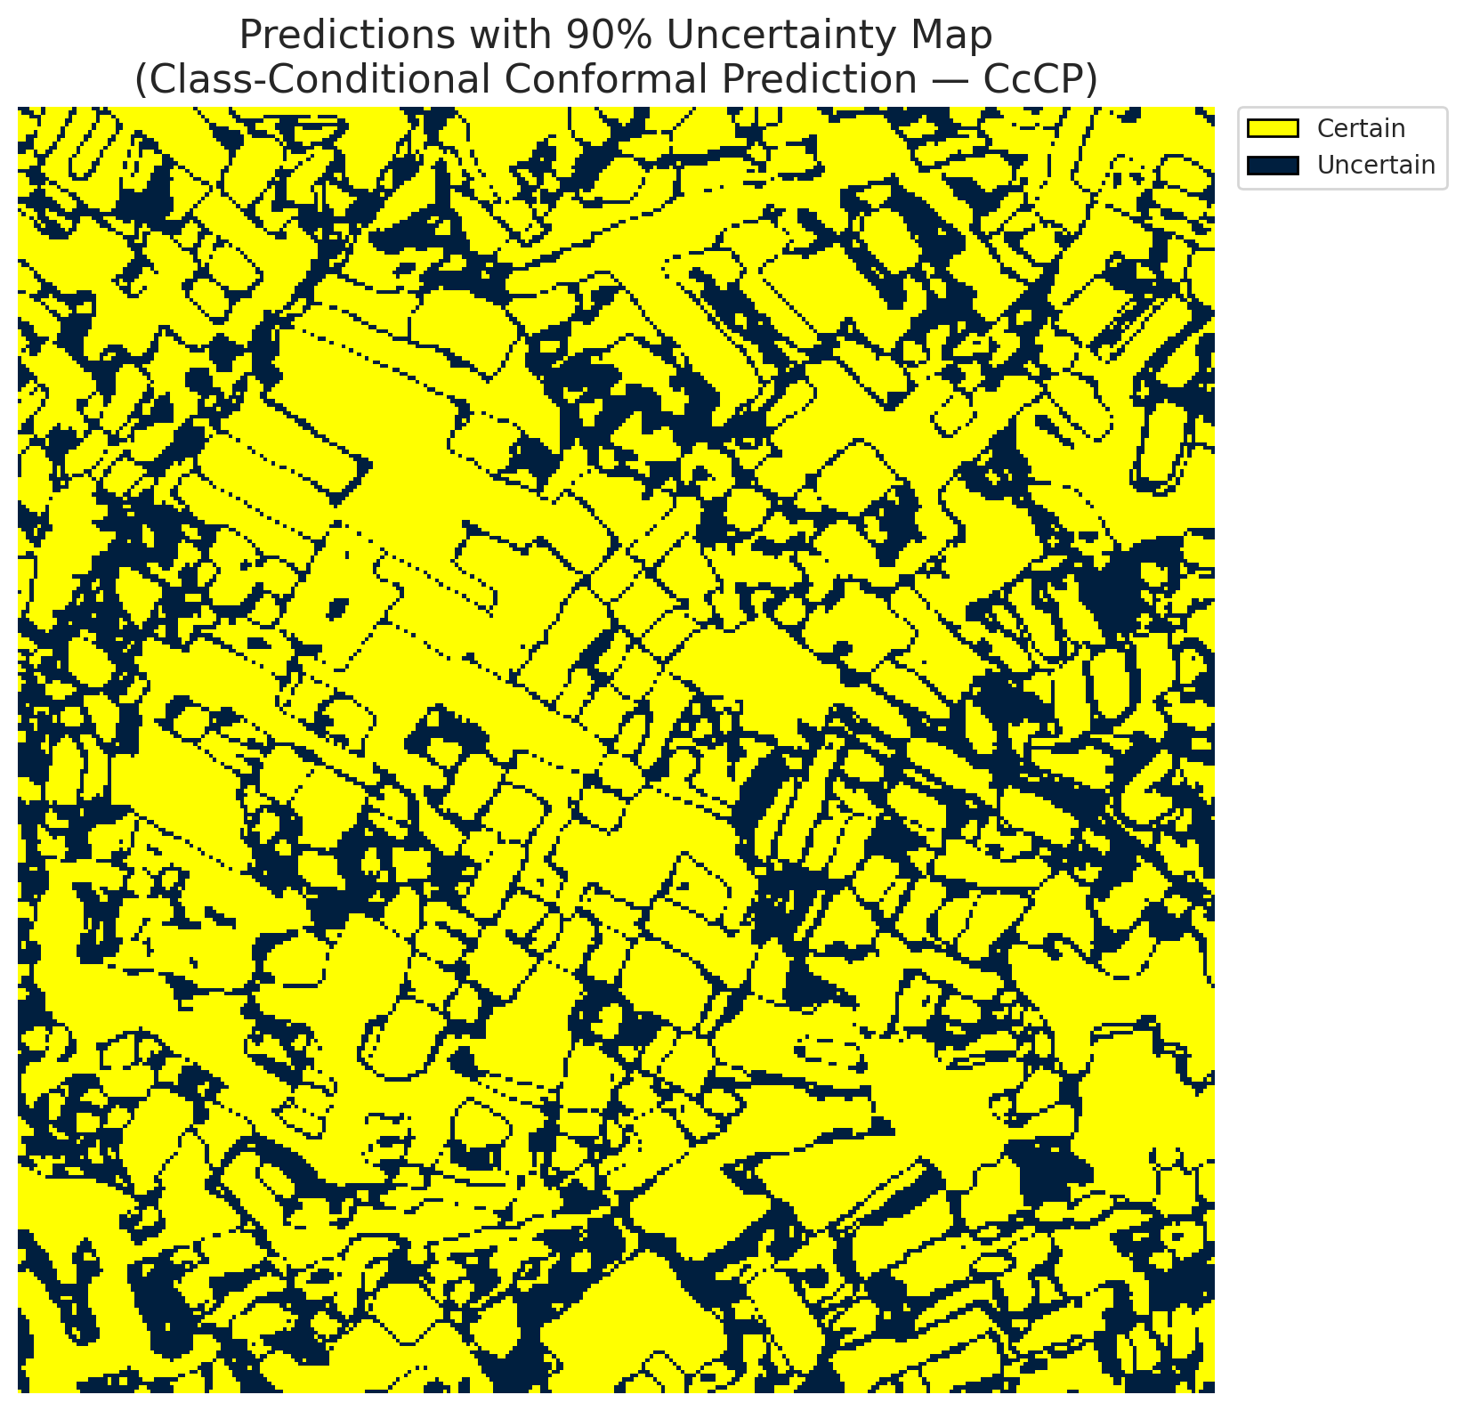
5 | Class 5 | 3571
6 | Class 6 | 1542
7 | Uncertain | 30738

Classwise q_hat
class_id | q_hat_classconditional
0 | 2.2266457573E-05
1 | 0.00021599434576
2 | 0.00014863253645
3 | 0.0014577826007
4 | 0.0056857982264
5 | 0.00086253778992
6 | 0.0016339612869

 |  |  |  |  |  |  |  |  | Class Map with Uncertain Mask
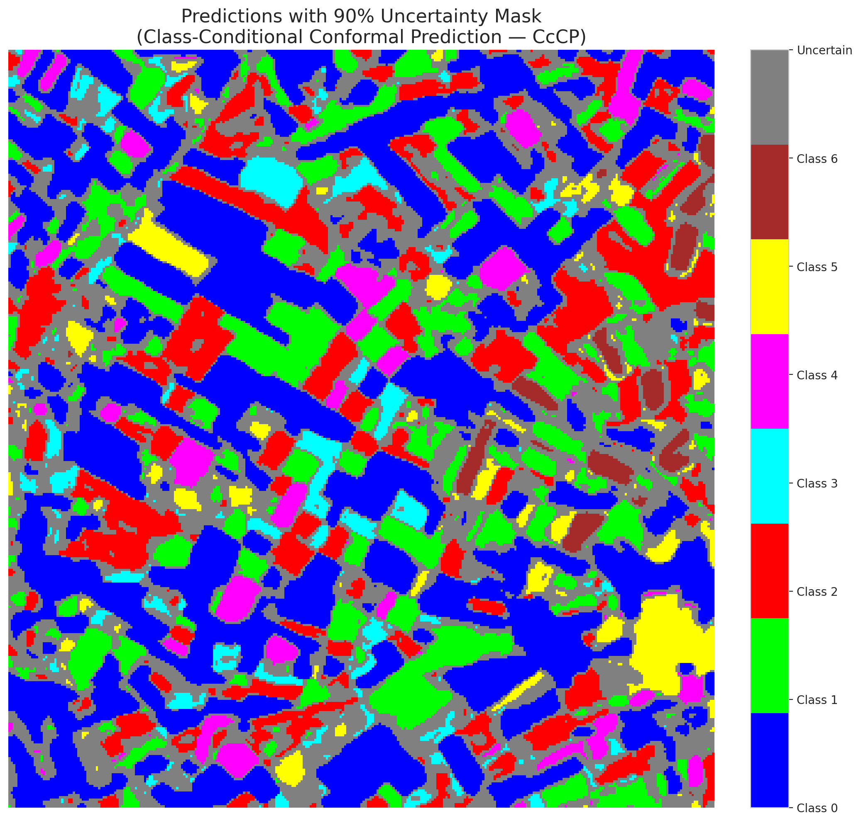

 |  |  |  |  |  |  |  |  | Pixel Counts

RC3P_AlexNet
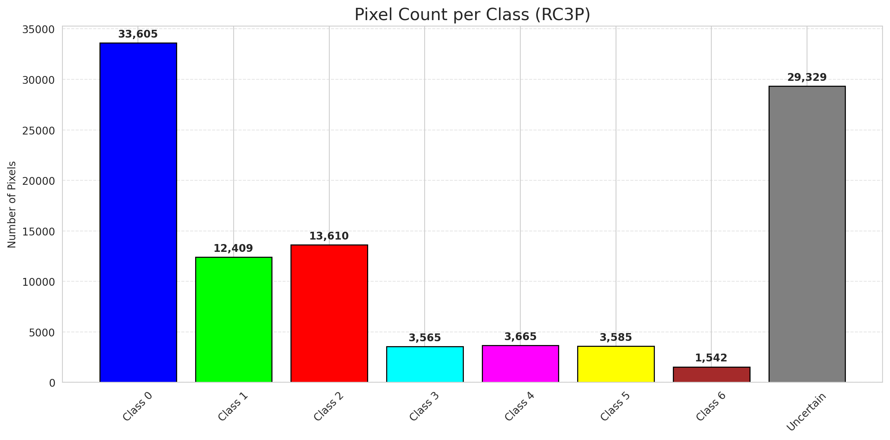
RC3P - AlexNet |  |  |  |  |  |  |  |  | Per-Class Coverage
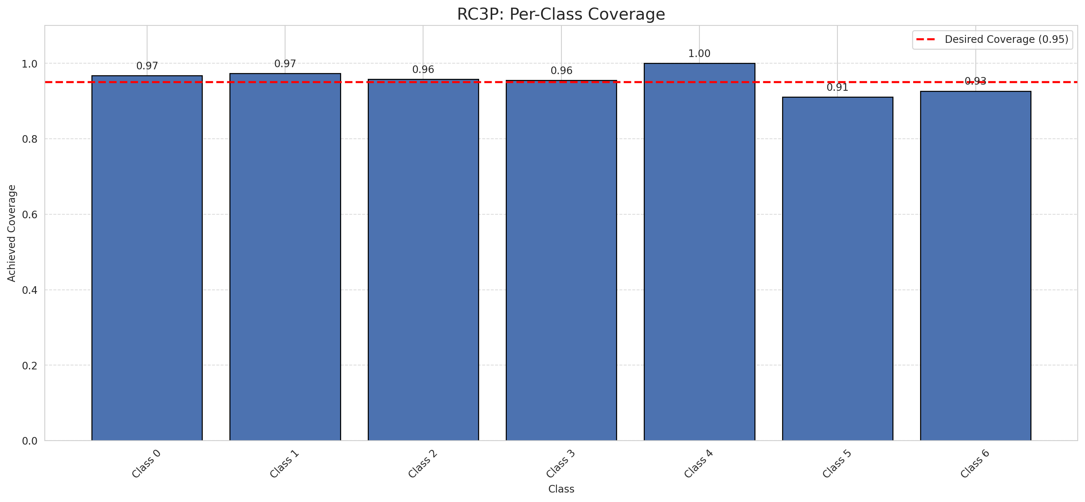
Summary
model_name | method | target_coverage | empirical_coverage | avg_set_size | median_set_size | singleton_rate | empty_set_rate | runtime_sec | alpha | lam | n_clusters | mean_per_class_coverage
AlexNet | RC3P | 0.95 | 0.96380510441 | 0.96380510441 | 1 | 0.96380510441 | 0.036194895592 | 1.559441123 | 0.05 |  |  | 0.95590513799

Per-Class Coverage Values
class_id | class_coverage | support_count
0 | 0.96717724289 | 914
1 | 0.97356828194 | 454
2 | 0.95810055866 | 358
3 | 0.95512820513 | 156
4 | 1 | 104
5 | 0.91089108911 | 101
6 | 0.92647058824 | 68

Pixel Counts
class_id | label | pixel_count
0 | Class 0 | 33605
1 | Class 1 | 12409
2 | Class 2 | 13610
3 | Class 3 | 3565
4 | Class 4 | 3665 |  |  |  |  |  |  | Certain vs Uncertain Map
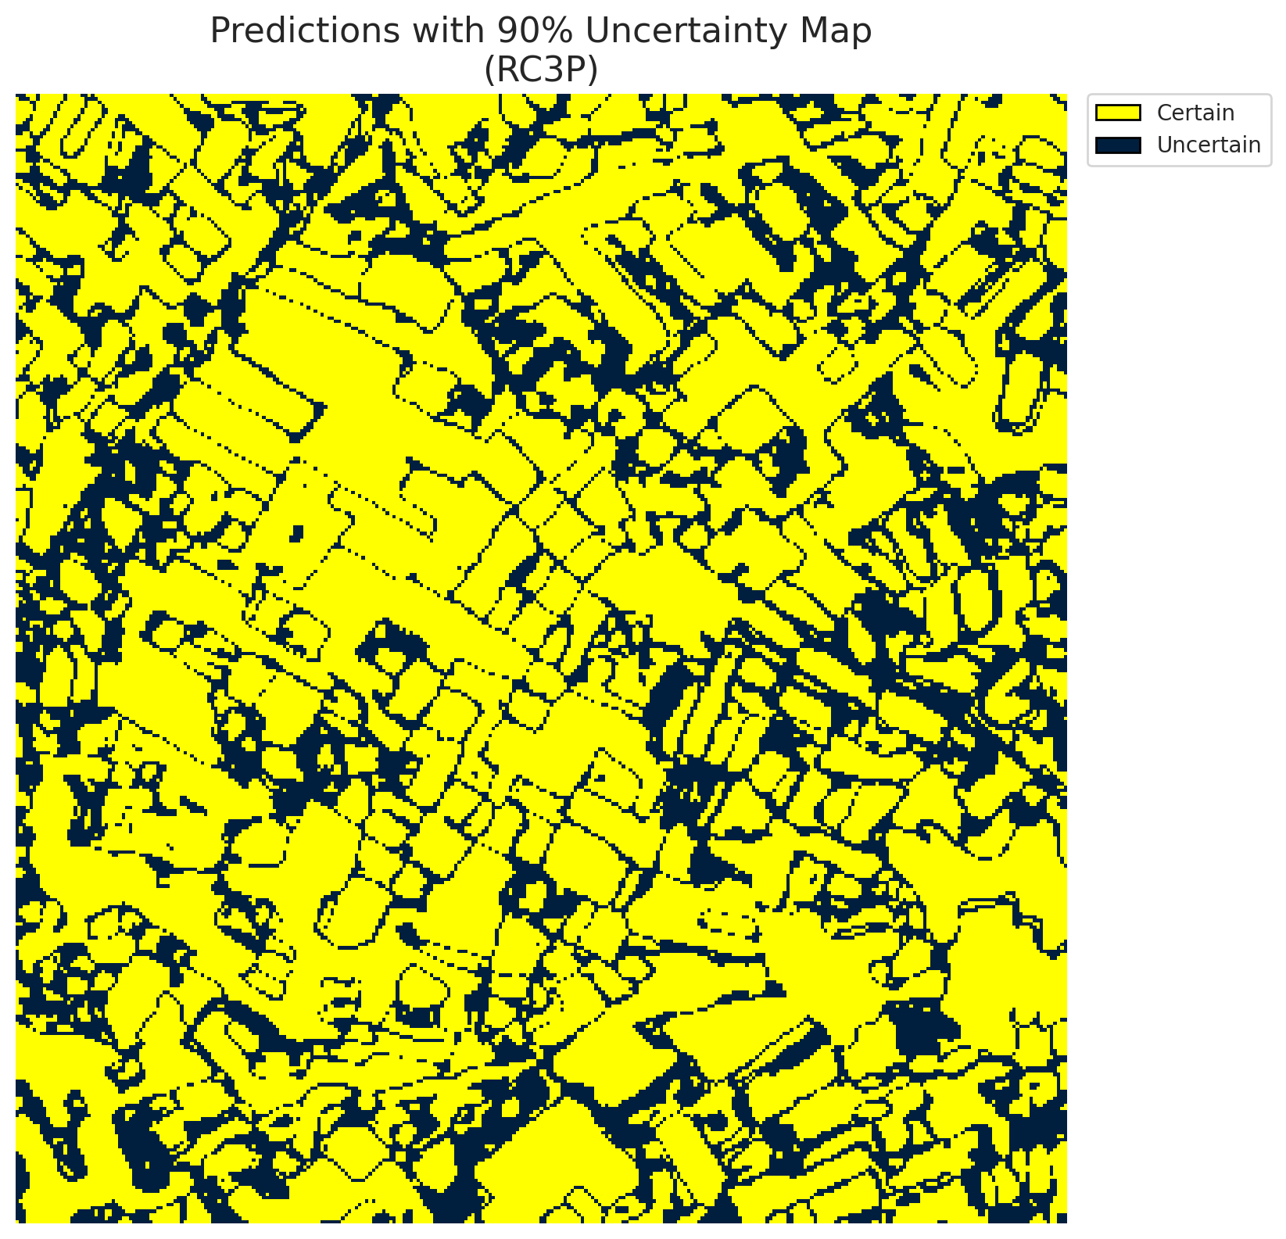
5 | Class 5 | 3585
6 | Class 6 | 1542
7 | Uncertain | 29329

RC3P Thresholds & Limits
class_id | q_hat_rc3p | suit_index_limit
0 | 4.1260404614E-05 | 1
1 | 0.00026459028462 | 1
2 | 0.00033589279515 | 1
3 | 0.0015531212372 | 1
4 | 0.0086182599302 | 1
5 | 0.00089672339283 | 1
6 | 0.0016339612869 | 1

 |  |  |  |  |  |  |  |  | Class Map with Uncertain Mask


 |  |  |  |  |  |  |  |  | Pixel Counts

Clustered_AlexNet
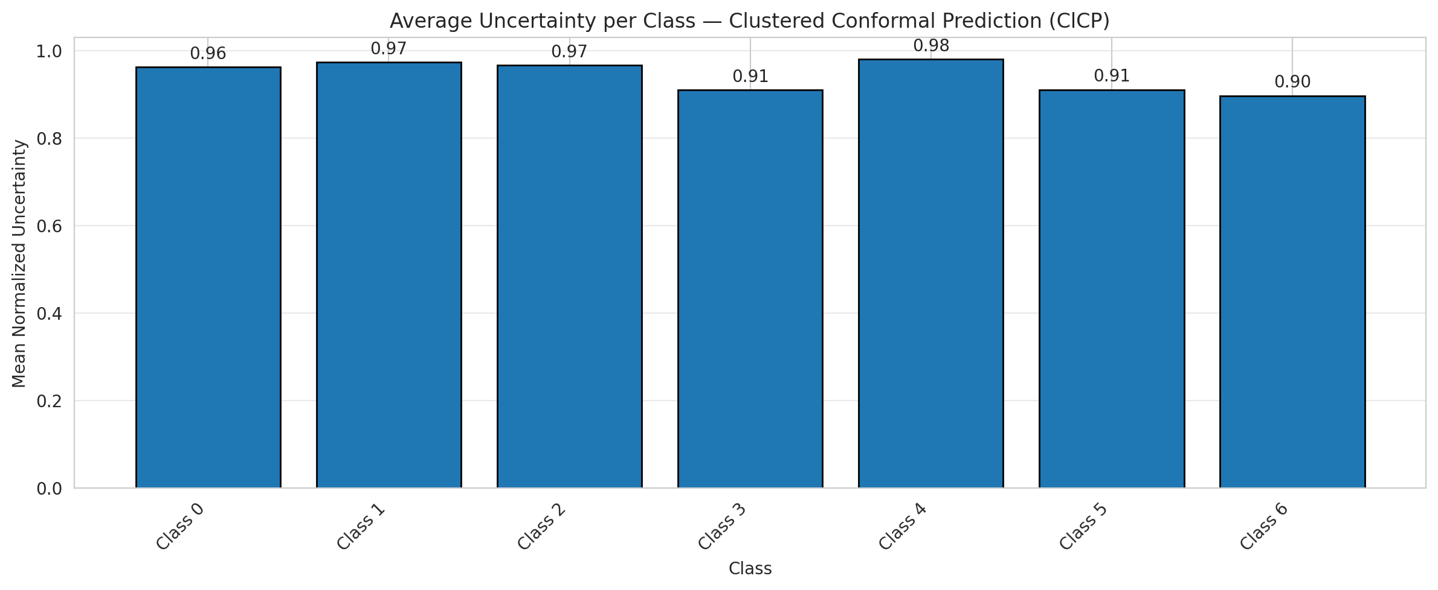
ClusteredConformal - AlexNet |  |  |  |  |  |  |  |  | Per-Class Coverage
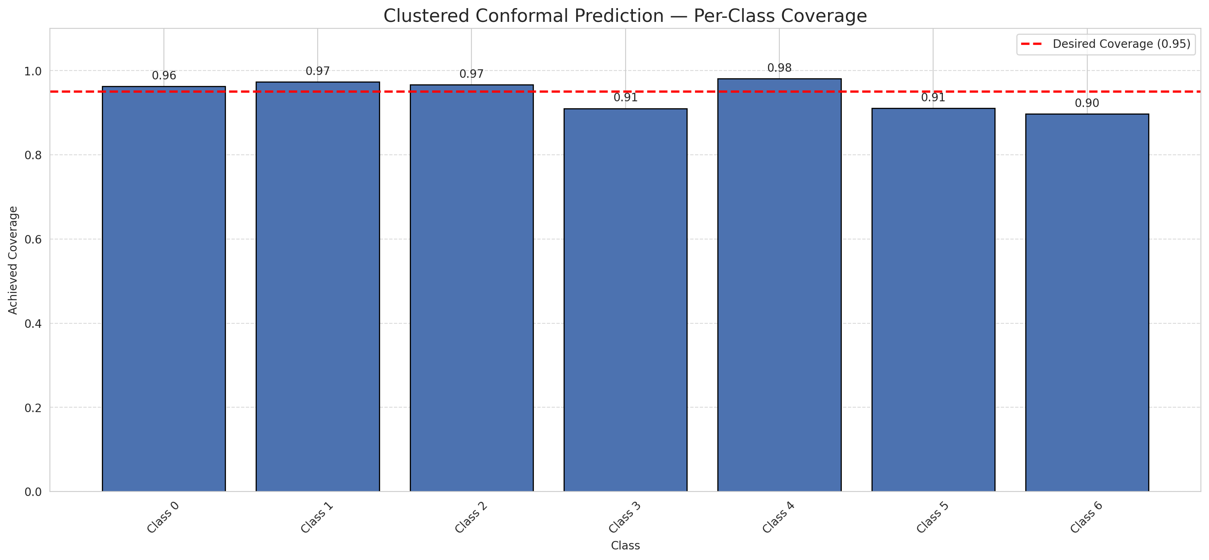
Summary
model_name | method | target_coverage | empirical_coverage | avg_set_size | median_set_size | singleton_rate | empty_set_rate | runtime_sec | alpha | lam | n_clusters | mean_per_class_coverage
AlexNet | ClusteredConformal | 0.95 | 0.95823665893 | 0.95823665893 | 1 | 0.95823665893 | 0.041763341067 | 3.817709116 | 0.05 |  | 4 | 0.94311787969

Per-Class Coverage Values
class_id | class_coverage | support_count
0 | 0.96280087527 | 914
1 | 0.97356828194 | 454
2 | 0.96648044693 | 358
3 | 0.91025641026 | 156
4 | 0.98076923077 | 104
5 | 0.91089108911 | 101
6 | 0.89705882353 | 68

Class-to-Cluster Assignment
class_id | cluster_id
0 | 3
1 | 0
2 | 1
3 | 1
4 | 0 |  |  |  |  |  |  |  | Uncertainty Distribution
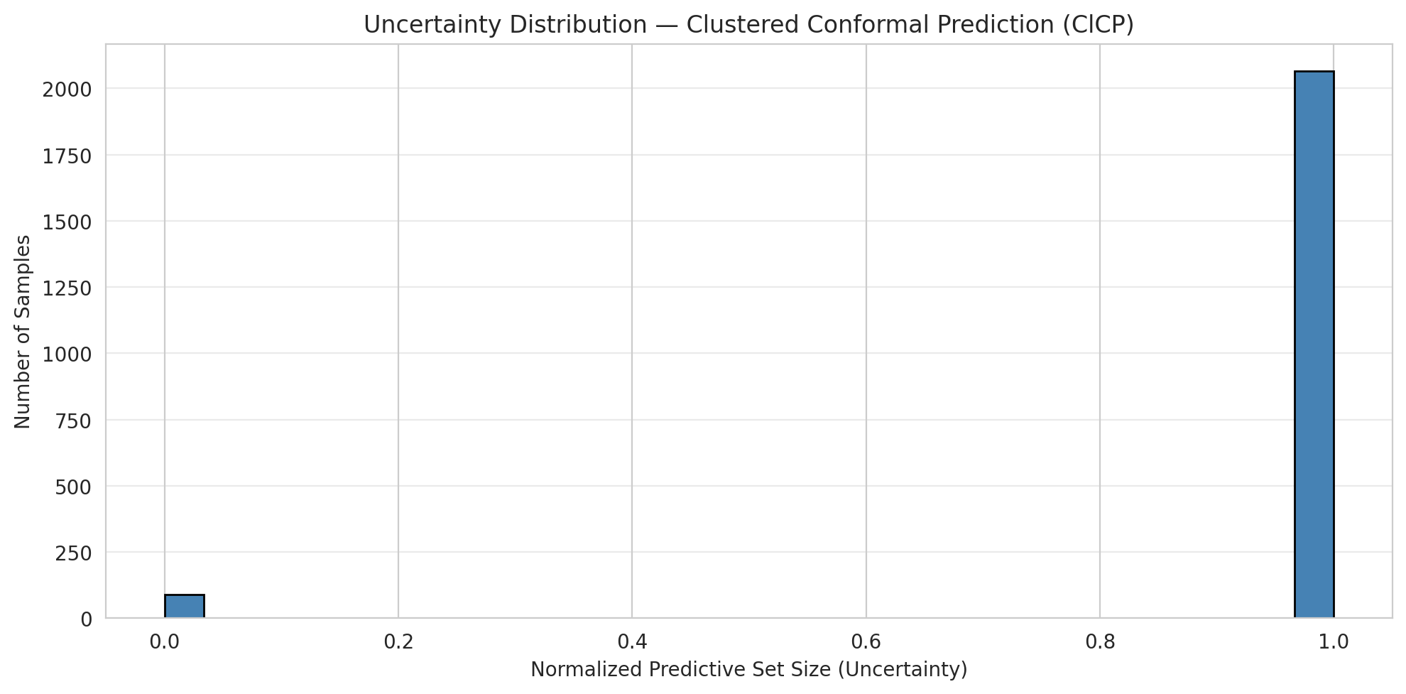
5 | 2
6 | 2

Cluster q_hat
cluster_id | q_hat_cluster
0 | 0.00028615954959
1 | 0.00045992881151
2 | 0.00089672339283
3 | 2.2266457573E-05

Cluster Mean Uncertainty
cluster | uncertainty
0 | 0.97491039427
1 | 0.94941634241
2 | 0.90532544379
3 | 0.96280087527

Class Mean Uncertainty
class_id | uncertainty
0 | 0.96280087527
1 | 0.97356828194 |  |  |  |  |  |  |  | Avg Uncertainty per Cluster
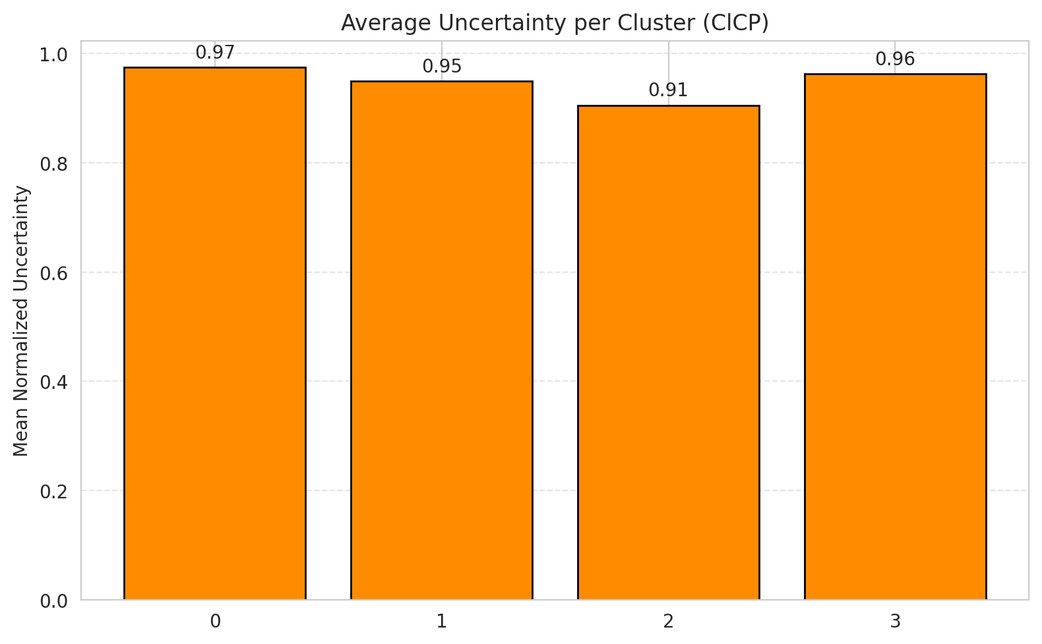
2 | 0.96648044693
3 | 0.91025641026
4 | 0.98076923077
5 | 0.91089108911
6 | 0.89705882353

 |  |  |  |  |  |  |  |  | Avg Uncertainty per Class

RAPS_AlexNet
RAPS - AlexNet |  |  |  |  |  |  |  |  | Per-Class Coverage
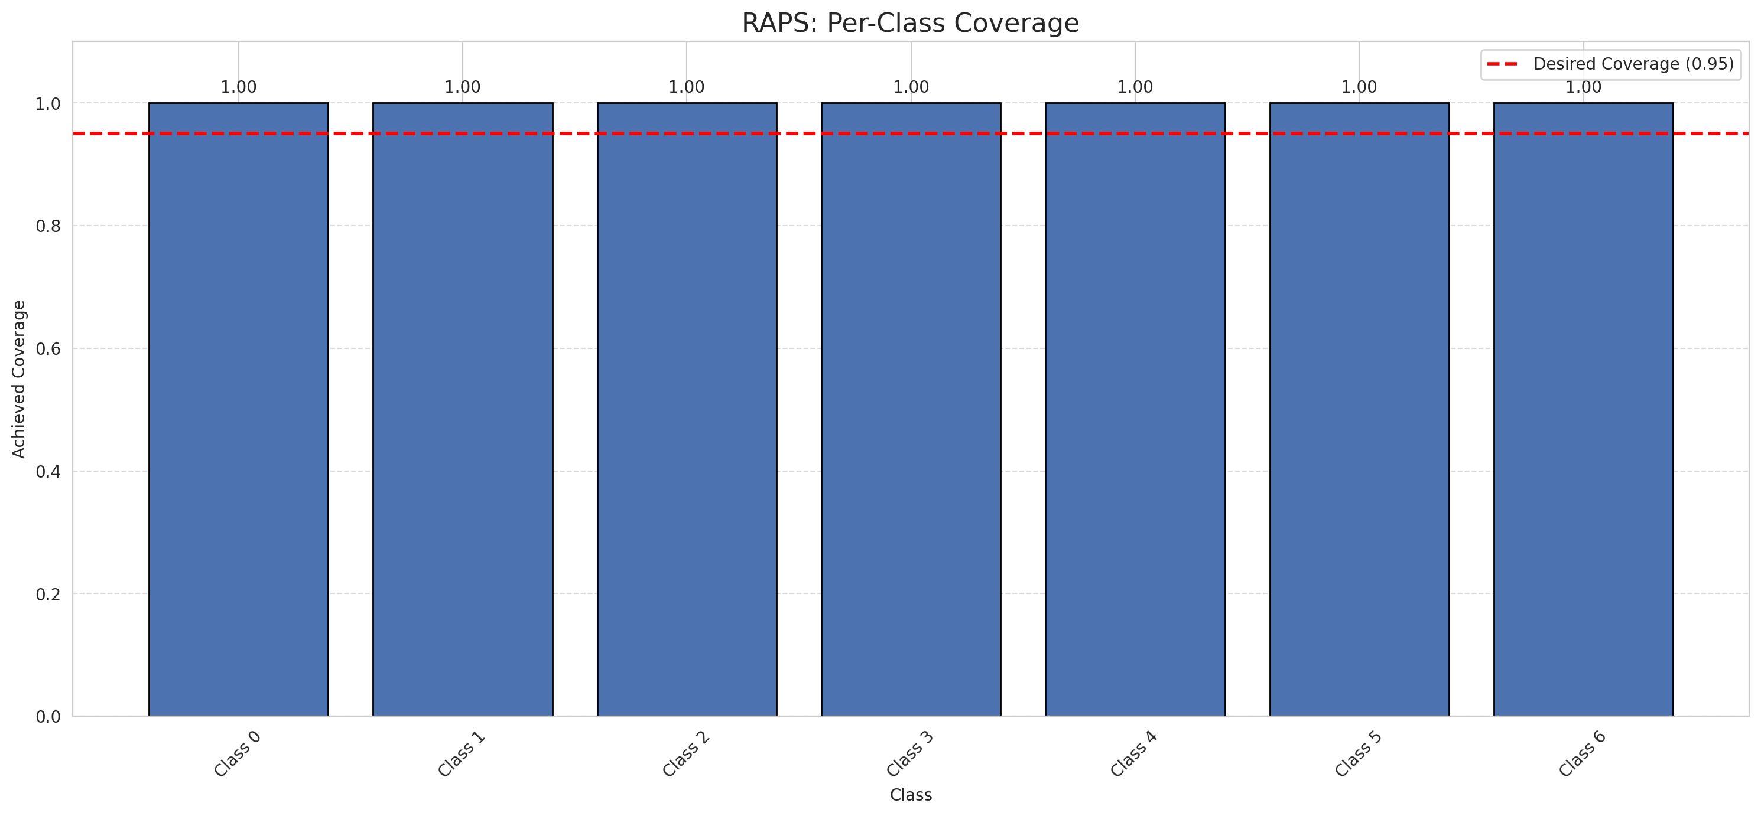
Summary
model_name | method | target_coverage | empirical_coverage | avg_set_size | median_set_size | singleton_rate | empty_set_rate | runtime_sec | alpha | lam | n_clusters | mean_per_class_coverage
AlexNet | RAPS | 0.95 | 1 | 1 | 1 | 1 | 0 | 0.373919612 | 0.05 | 0.01 |  | 1

Per-Class Coverage Values
class_id | class_coverage | support_count
0 | 1 | 914
1 | 1 | 454
2 | 1 | 358
3 | 1 | 156
4 | 1 | 104
5 | 1 | 101
6 | 1 | 68

RAPS Parameters
q_hat_raps | lambda | k_reg
0 | 0.01 | 1

Split_GFNet
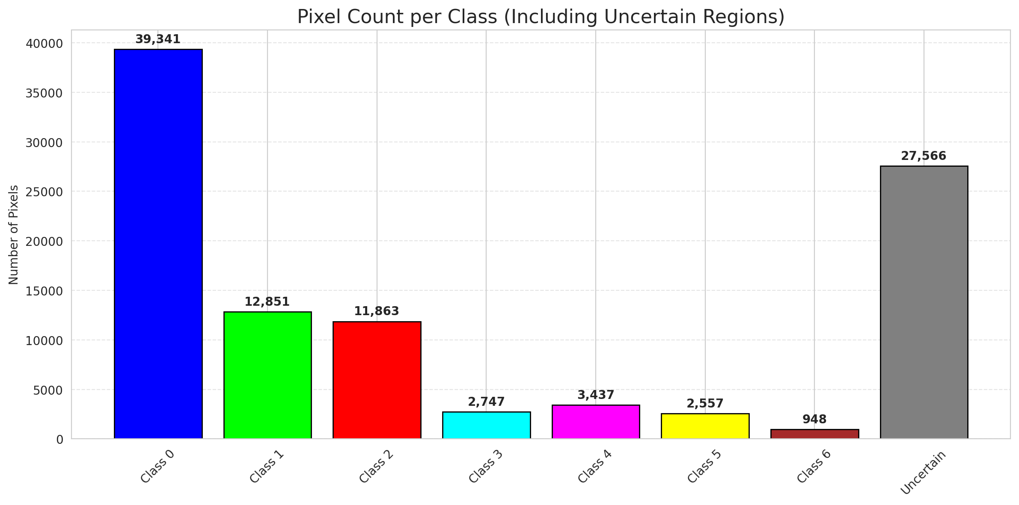
SplitConformal - GFNet |  |  |  |  |  |  |  |  | Per-Class Coverage
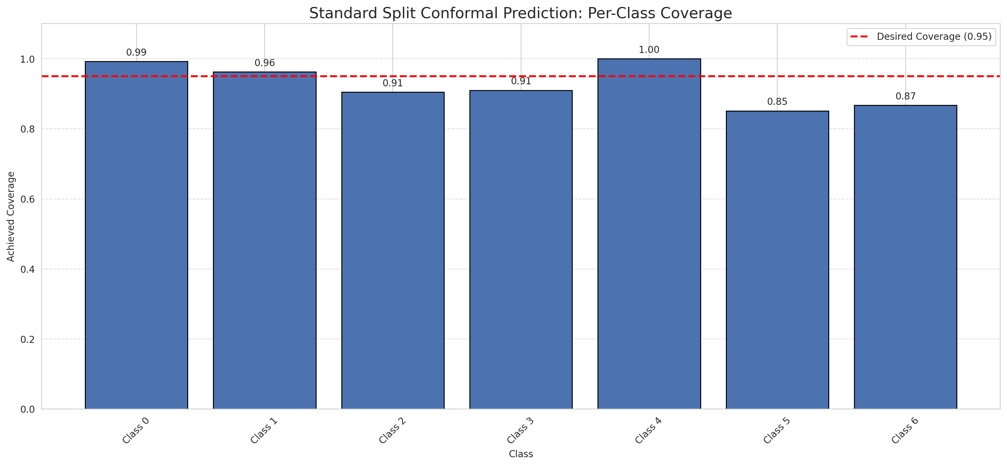
Summary
model_name | method | target_coverage | empirical_coverage | avg_set_size | median_set_size | singleton_rate | empty_set_rate | runtime_sec | alpha | lam | n_clusters | mean_per_class_coverage
GFNet | SplitConformal | 0.95 | 0.95545243619 | 0.95545243619 | 1 | 0.95545243619 | 0.044547563805 | 2.021140782 | 0.05 |  |  | 0.92704471047

Per-Class Coverage Values
class_id | class_coverage | support_count
0 | 0.99234135667 | 914
1 | 0.96255506608 | 454
2 | 0.90502793296 | 358
3 | 0.91025641026 | 156
4 | 1 | 104
5 | 0.85148514851 | 101
6 | 0.86764705882 | 68

Pixel Counts
class_id | label | pixel_count
0 | Class 0 | 39341
1 | Class 1 | 12851
2 | Class 2 | 11863
3 | Class 3 | 2747
4 | Class 4 | 3437 |  |  |  |  |  |  | Certain vs Uncertain Map
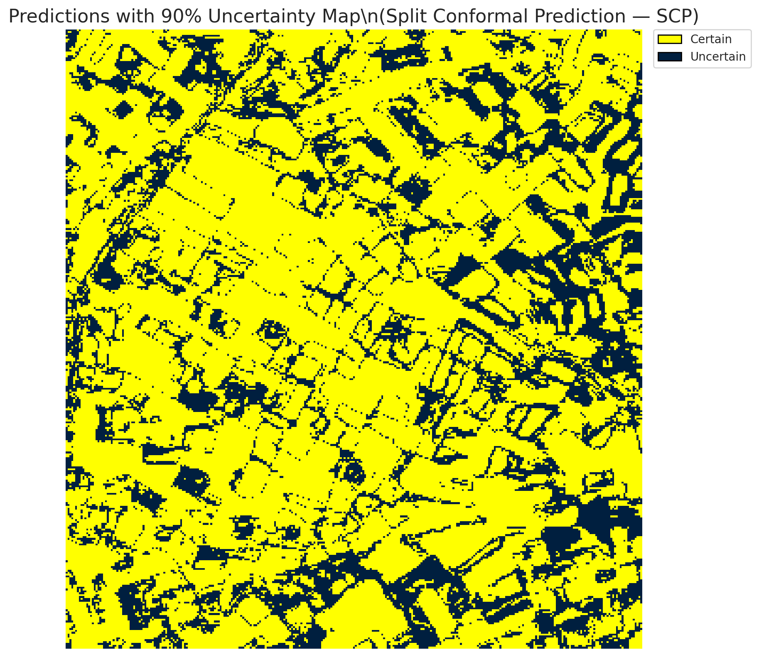
5 | Class 5 | 2557
6 | Class 6 | 948
7 | Uncertain | 27566

Threshold
q_hat_split
0.012330433651

 |  |  |  |  |  |  |  |  | Class Map with Uncertain Mask
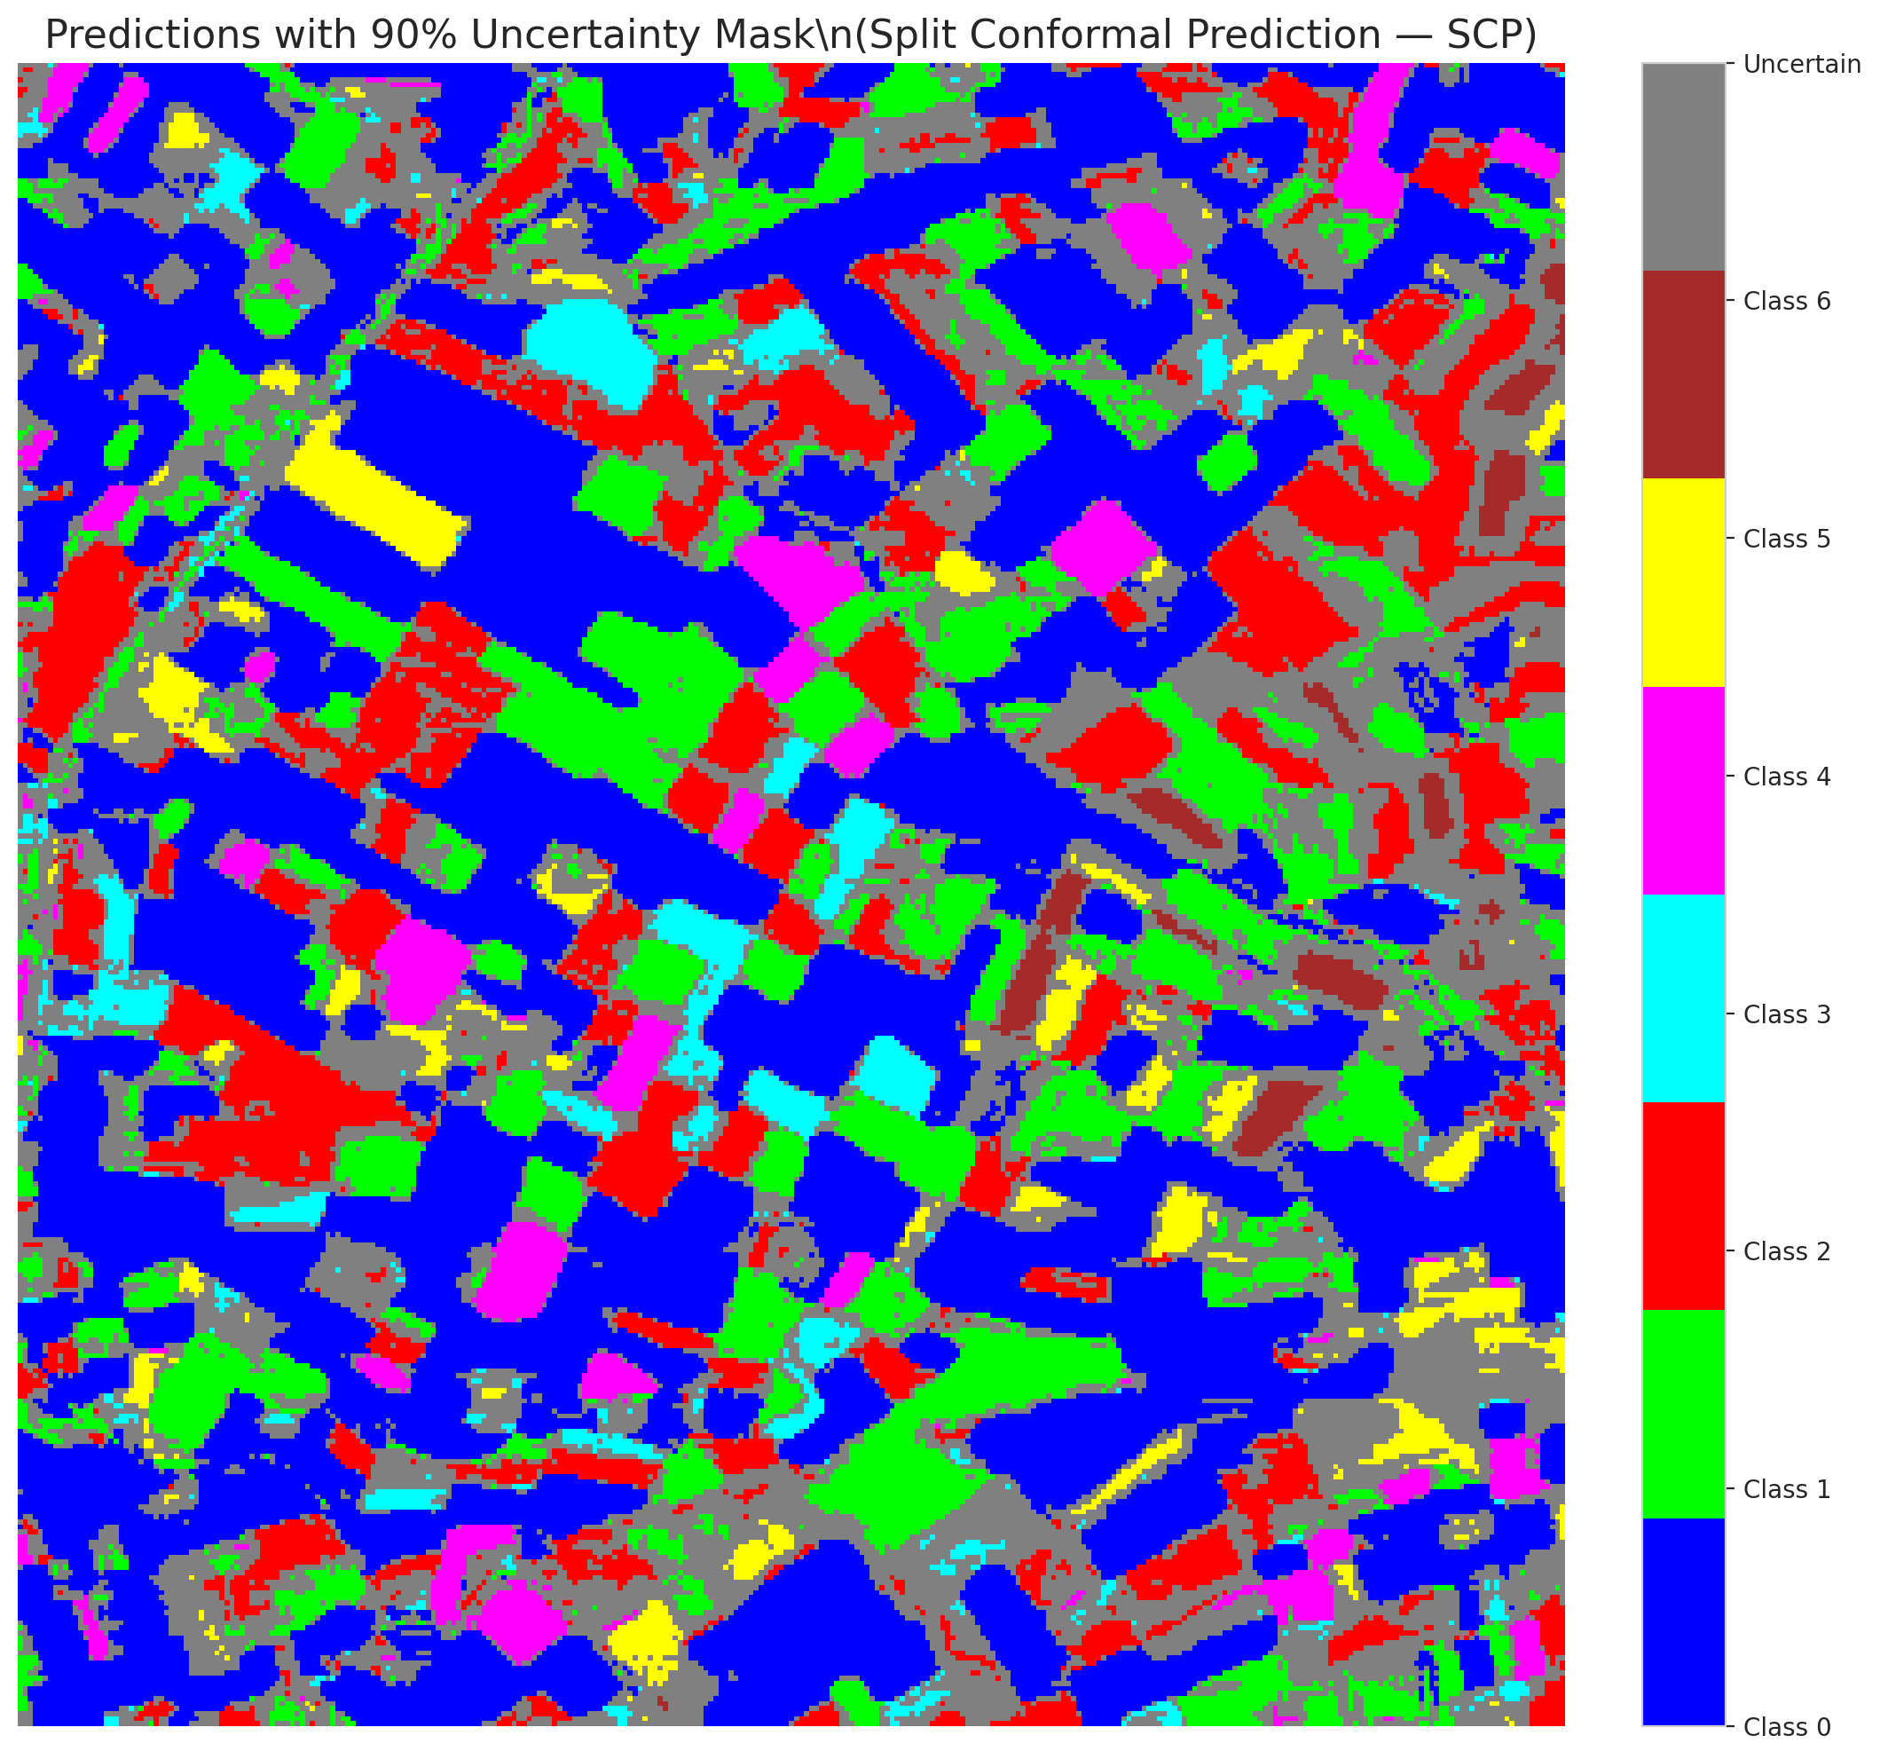

 |  |  |  |  |  |  |  |  | Pixel Counts

ClassCond_GFNet
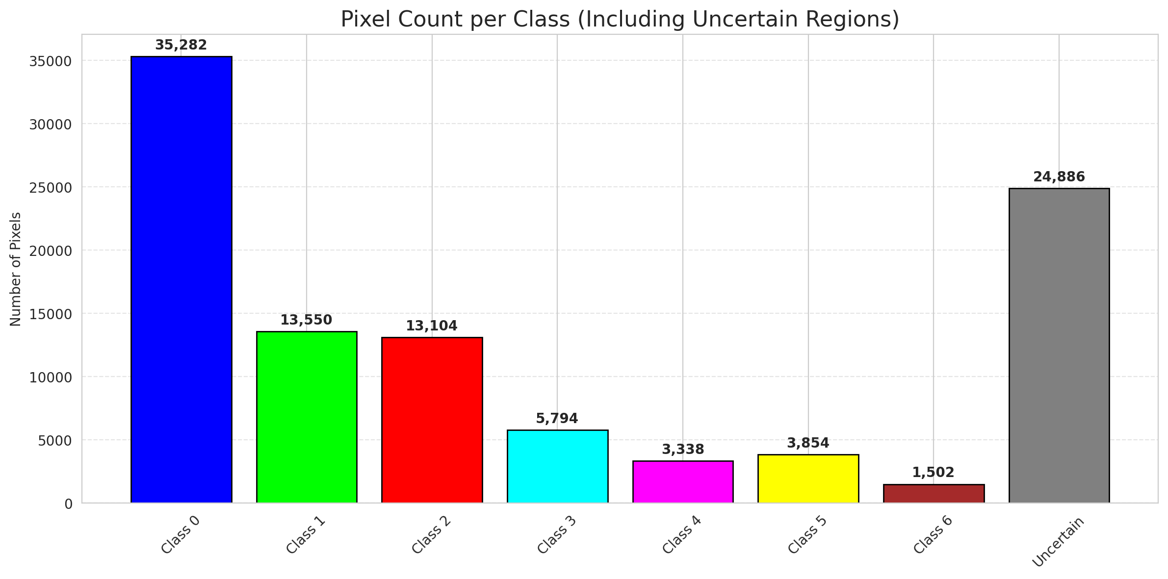
ClassConditionalConformal - GFNet |  |  |  |  |  |  |  |  | Per-Class Coverage
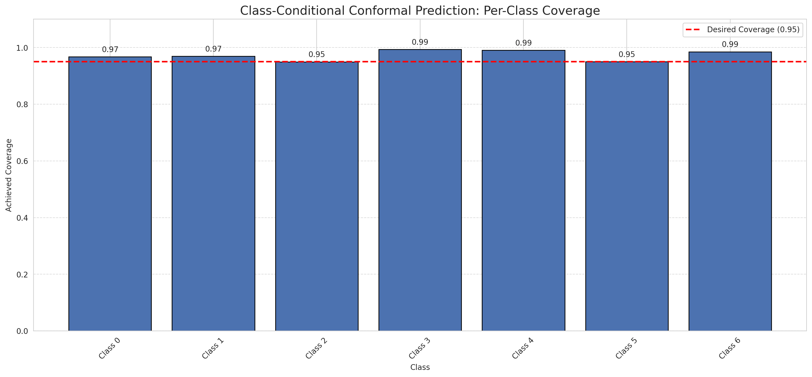
Summary
model_name | method | target_coverage | empirical_coverage | avg_set_size | median_set_size | singleton_rate | empty_set_rate | runtime_sec | alpha | lam | n_clusters | mean_per_class_coverage
GFNet | ClassConditionalConformal | 0.95 | 0.96751740139 | 0.96751740139 | 1 | 0.96751740139 | 0.032482598608 | 1.552573545 | 0.05 |  |  | 0.97226063357

Per-Class Coverage Values
class_id | class_coverage | support_count
0 | 0.96717724289 | 914
1 | 0.96916299559 | 454
2 | 0.94972067039 | 358
3 | 0.99358974359 | 156
4 | 0.99038461538 | 104
5 | 0.9504950495 | 101
6 | 0.98529411765 | 68

Pixel Counts
class_id | label | pixel_count
0 | Class 0 | 35282
1 | Class 1 | 13550
2 | Class 2 | 13104
3 | Class 3 | 5794
4 | Class 4 | 3338 |  |  |  |  |  |  | Certain vs Uncertain Map
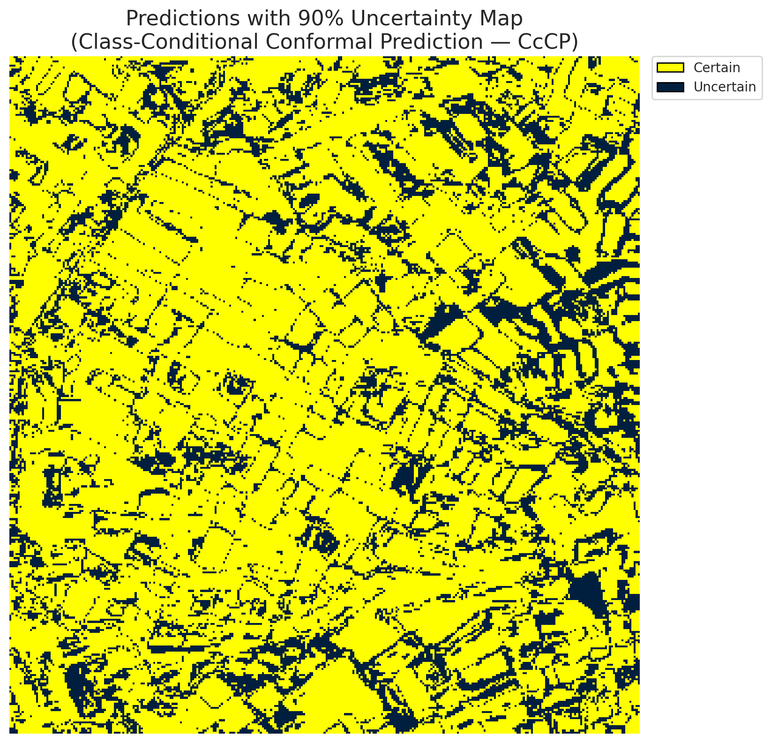
5 | Class 5 | 3854
6 | Class 6 | 1502
7 | Uncertain | 24886

Classwise q_hat
class_id | q_hat_classconditional
0 | 0.009534440598
1 | 0.013120017975
2 | 0.015309573715
3 | 0.31900268793
4 | 0.011498836239
5 | 0.021433545819
6 | 0.069259205237

 |  |  |  |  |  |  |  |  | Class Map with Uncertain Mask
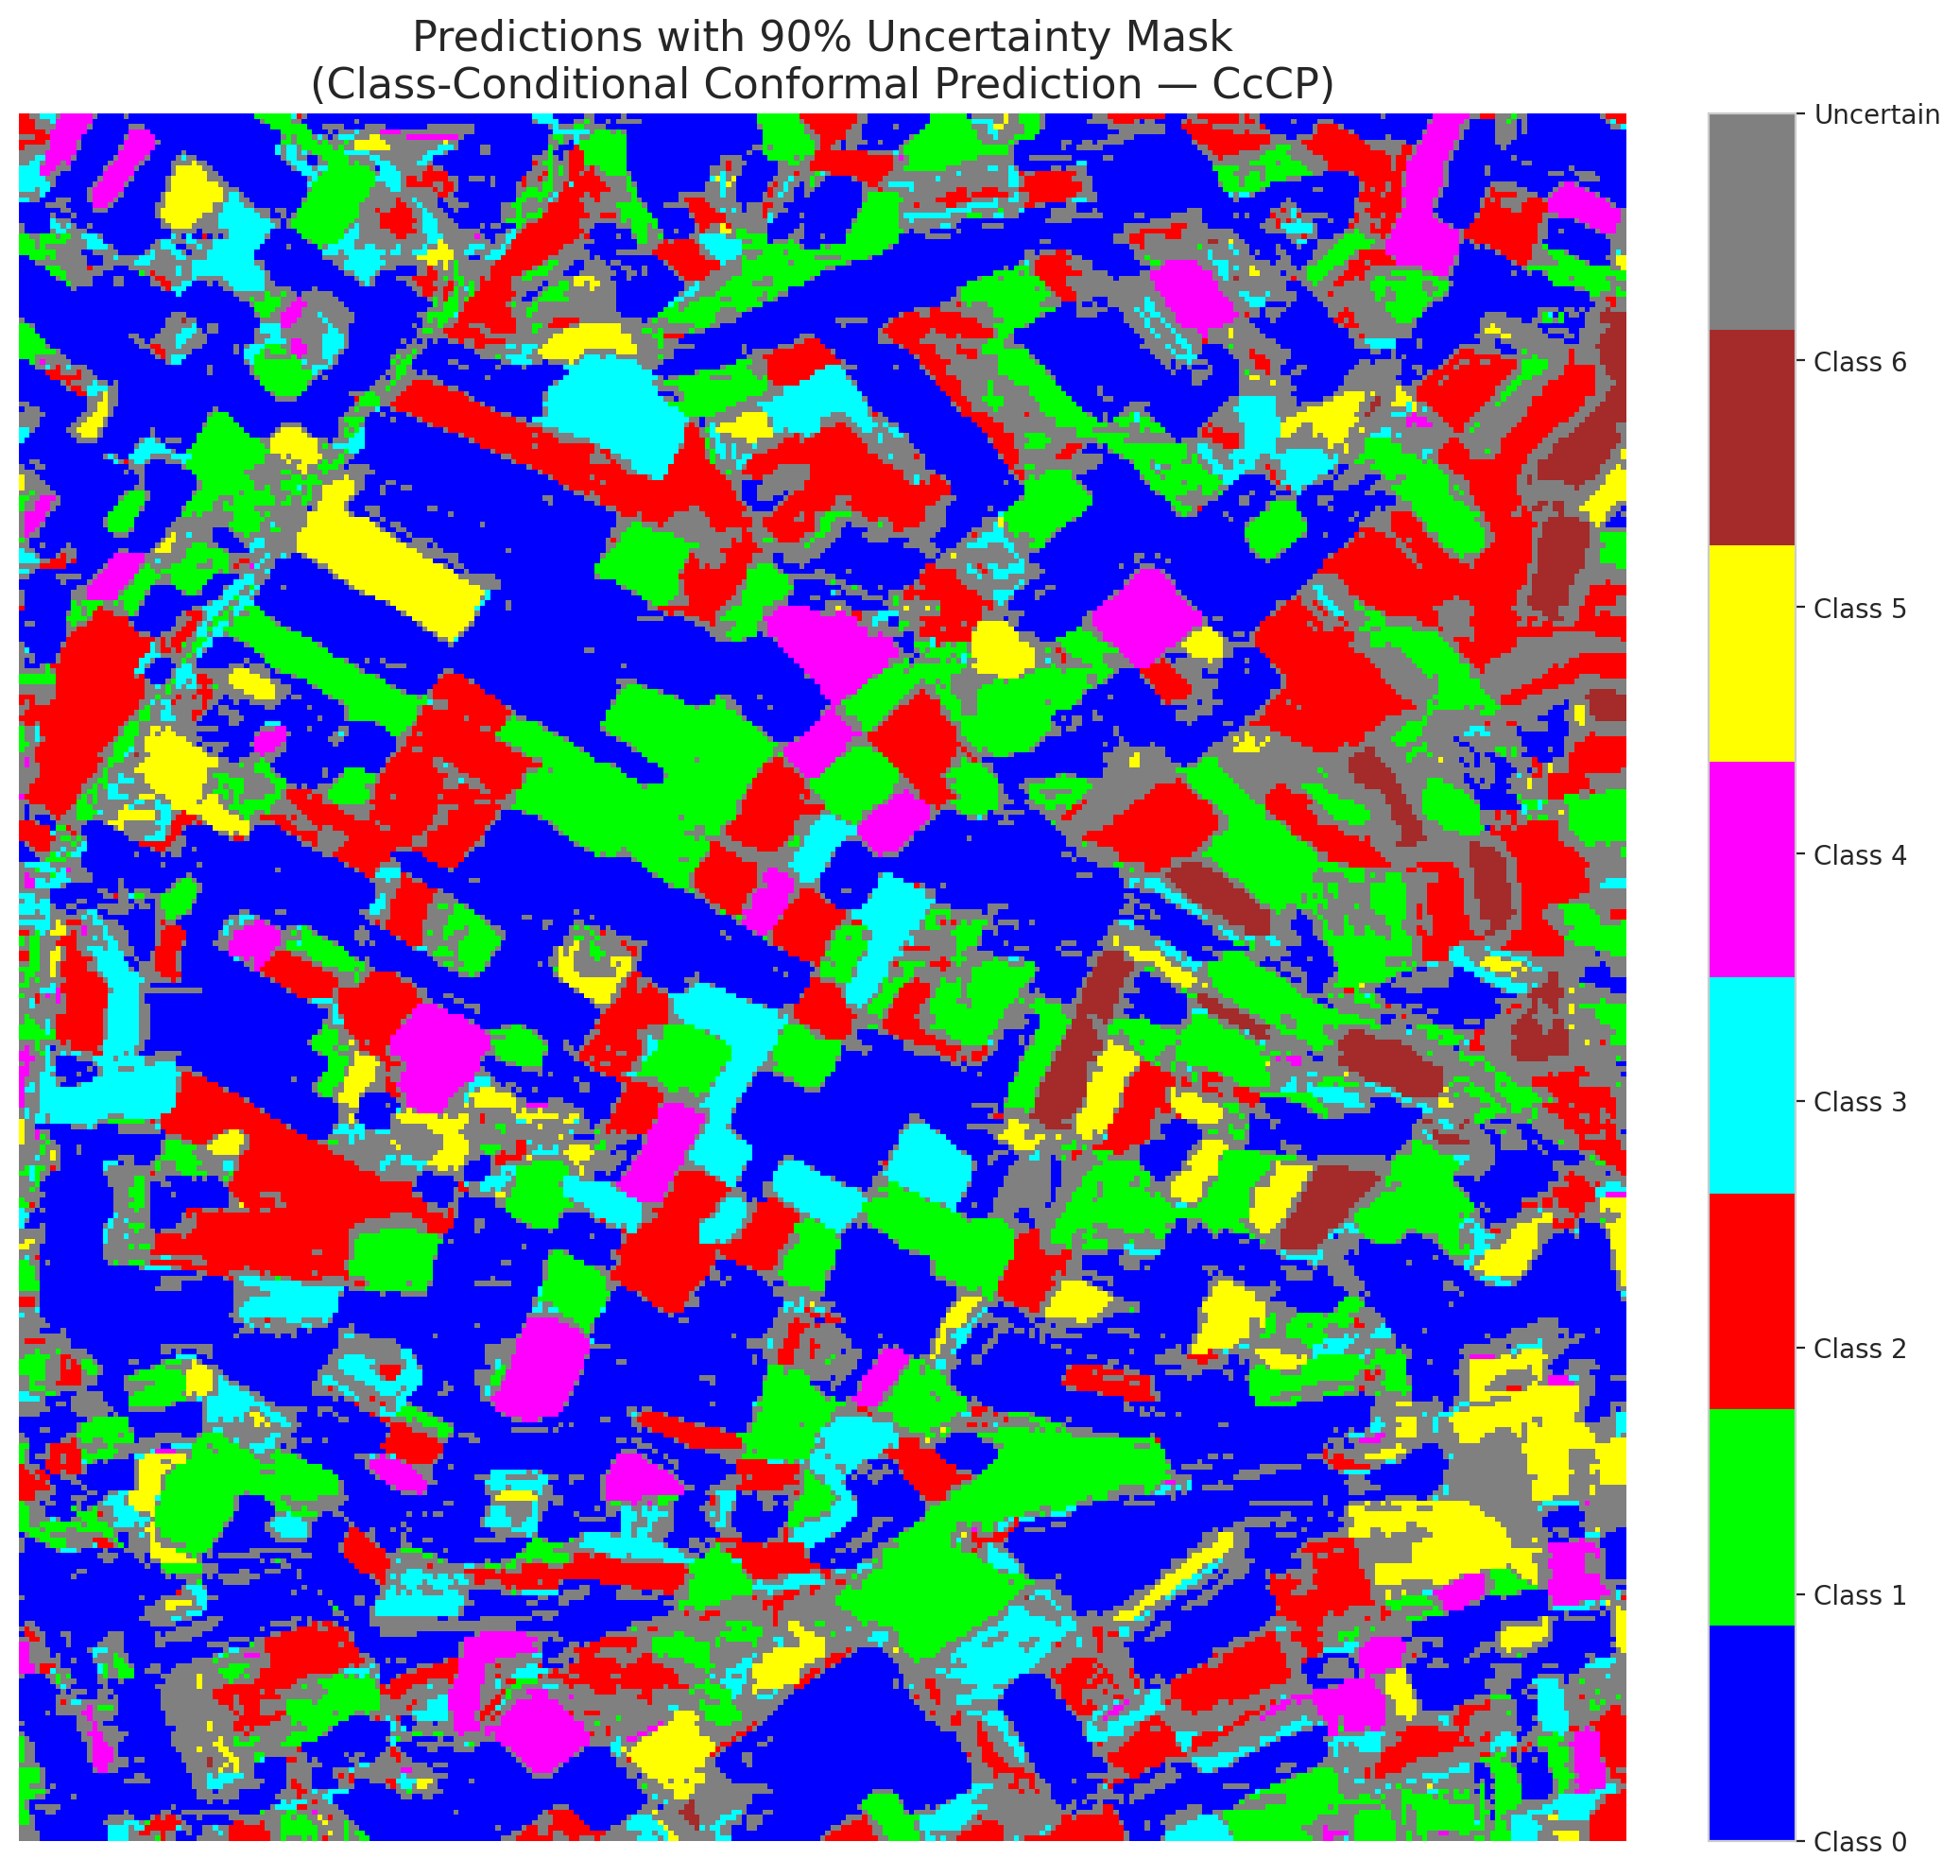

 |  |  |  |  |  |  |  |  | Pixel Counts

RC3P_GFNet
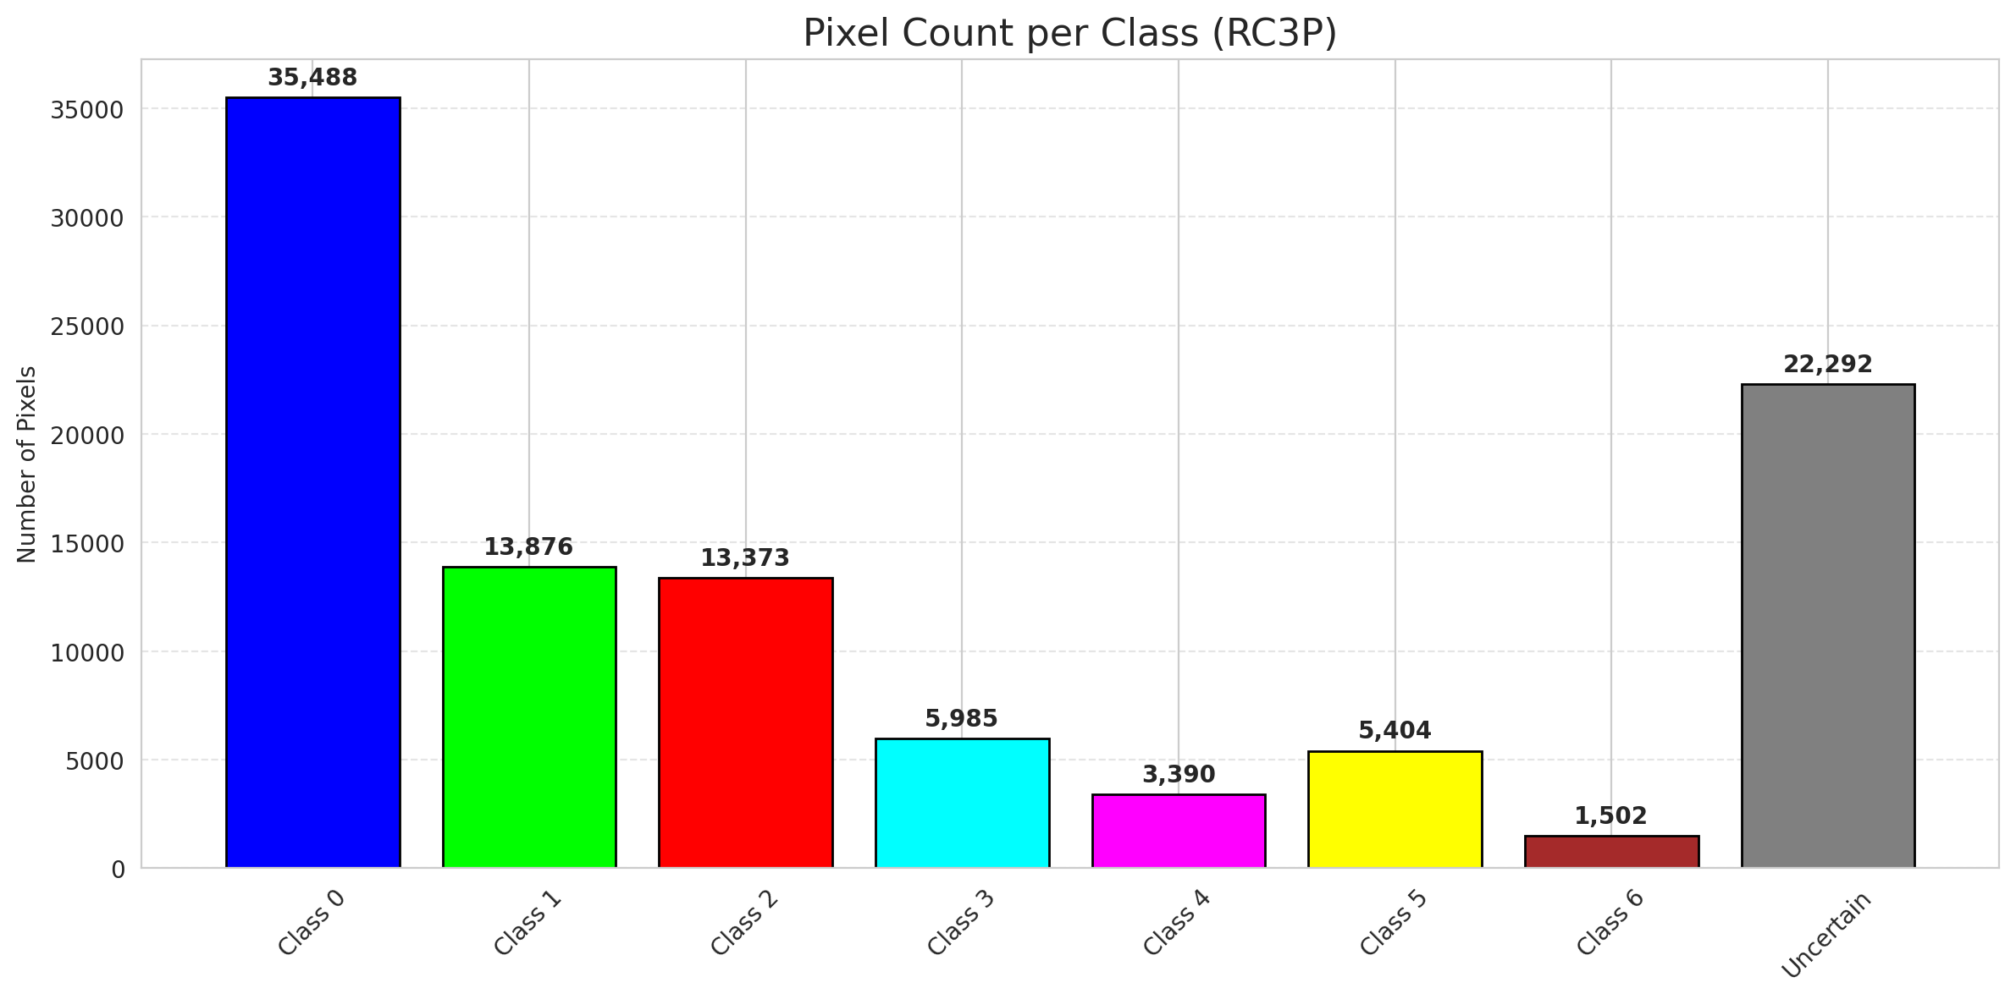
RC3P - GFNet |  |  |  |  |  |  |  |  | Per-Class Coverage
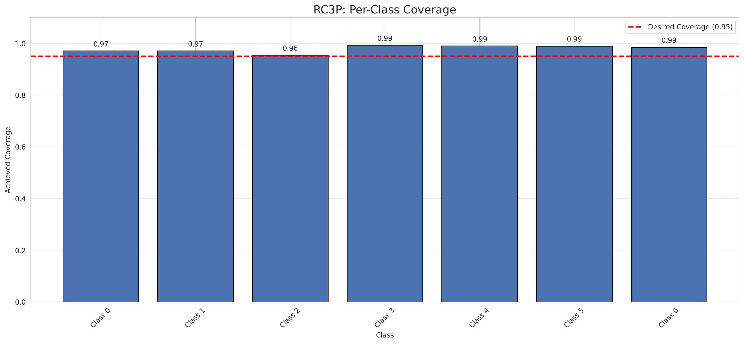
Summary
model_name | method | target_coverage | empirical_coverage | avg_set_size | median_set_size | singleton_rate | empty_set_rate | runtime_sec | alpha | lam | n_clusters | mean_per_class_coverage
GFNet | RC3P | 0.95 | 0.97262180974 | 0.97308584687 | 1 | 0.97308584687 | 0.026914153132 | 1.52386005 | 0.05 |  |  | 0.97965628548

Per-Class Coverage Values
class_id | class_coverage | support_count
0 | 0.9715536105 | 914
1 | 0.97136563877 | 454
2 | 0.95530726257 | 358
3 | 0.99358974359 | 156
4 | 0.99038461538 | 104
5 | 0.9900990099 | 101
6 | 0.98529411765 | 68

Pixel Counts
class_id | label | pixel_count
0 | Class 0 | 35488
1 | Class 1 | 13876
2 | Class 2 | 13373
3 | Class 3 | 5985
4 | Class 4 | 3390 |  |  |  |  |  |  | Certain vs Uncertain Map
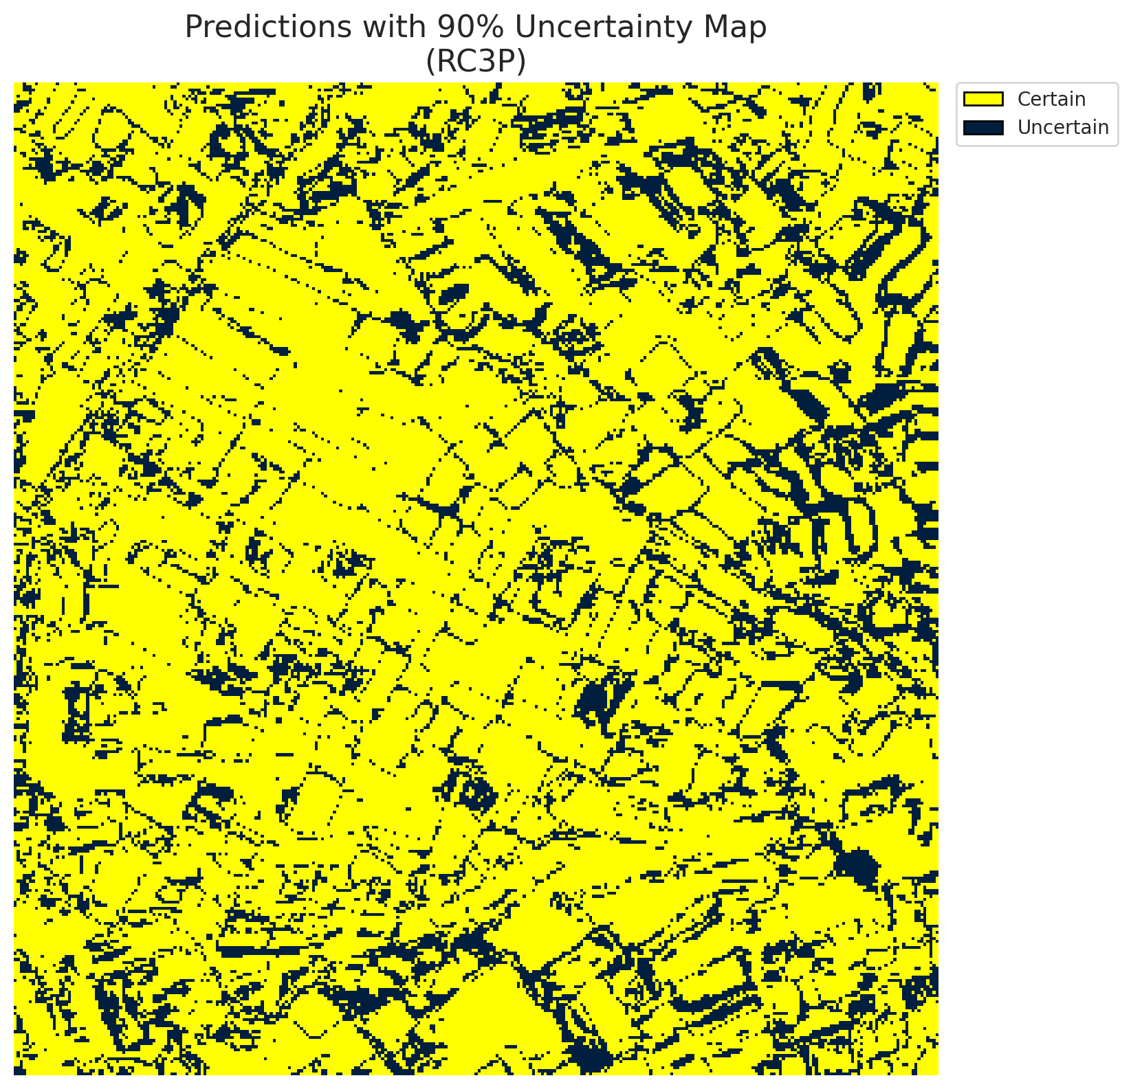
5 | Class 5 | 5404
6 | Class 6 | 1502
7 | Uncertain | 22292

RC3P Thresholds & Limits
class_id | q_hat_rc3p | suit_index_limit
0 | 0.0095522859022 | 1
1 | 0.013605910005 | 1
2 | 0.016373863417 | 1
3 | 0.38865798516 | 1
4 | 0.011869969957 | 1
5 | 0.090611365927 | 1
6 | 0.069259205237 | 1

 |  |  |  |  |  |  |  |  | Class Map with Uncertain Mask


 |  |  |  |  |  |  |  |  | Pixel Counts

Clustered_GFNet
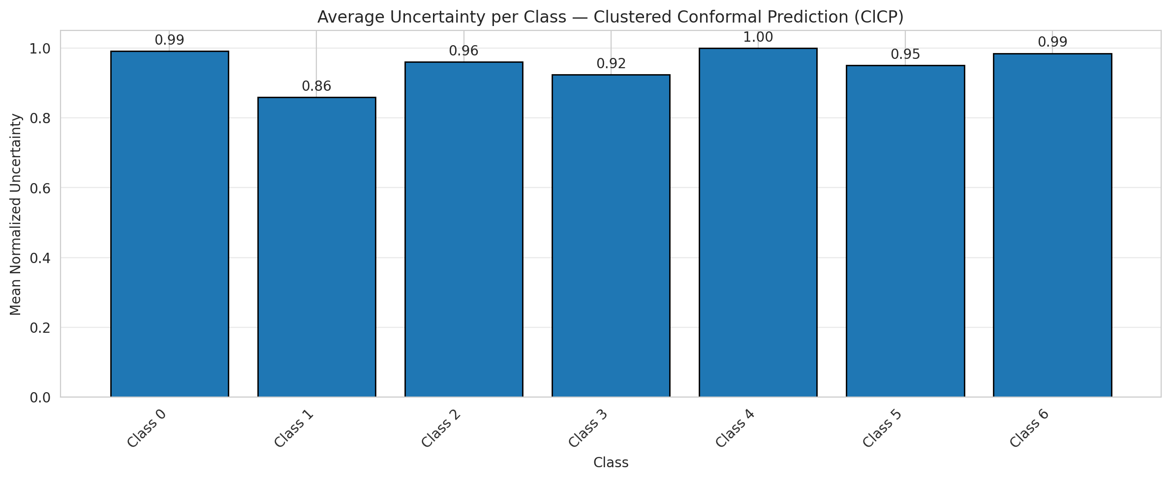
ClusteredConformal - GFNet |  |  |  |  |  |  |  |  | Per-Class Coverage
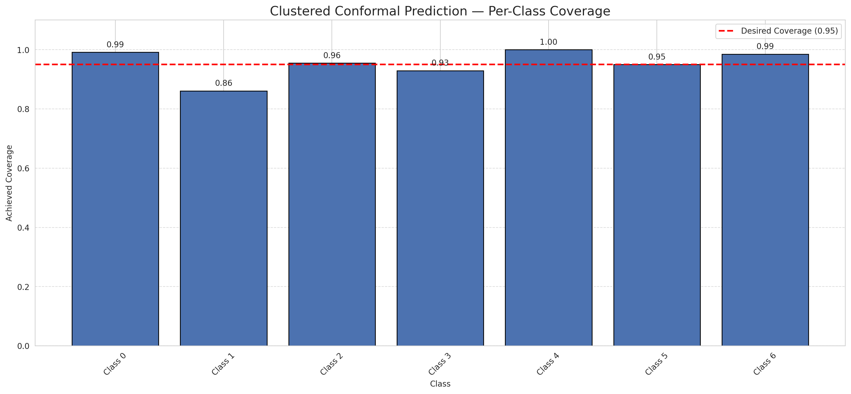
Summary
model_name | method | target_coverage | empirical_coverage | avg_set_size | median_set_size | singleton_rate | empty_set_rate | runtime_sec | alpha | lam | n_clusters | mean_per_class_coverage
GFNet | ClusteredConformal | 0.95 | 0.95174013921 | 0.95174013921 | 1 | 0.95174013921 | 0.048259860789 | 4.683385028 | 0.05 |  | 4 | 0.95329490774

Per-Class Coverage Values
class_id | class_coverage | support_count
0 | 0.99124726477 | 914
1 | 0.86123348018 | 454
2 | 0.95530726257 | 358
3 | 0.92948717949 | 156
4 | 1 | 104
5 | 0.9504950495 | 101
6 | 0.98529411765 | 68

Class-to-Cluster Assignment
class_id | cluster_id
0 | 2
1 | 2
2 | 1
3 | 1
4 | 1 |  |  |  |  |  |  |  | Uncertainty Distribution
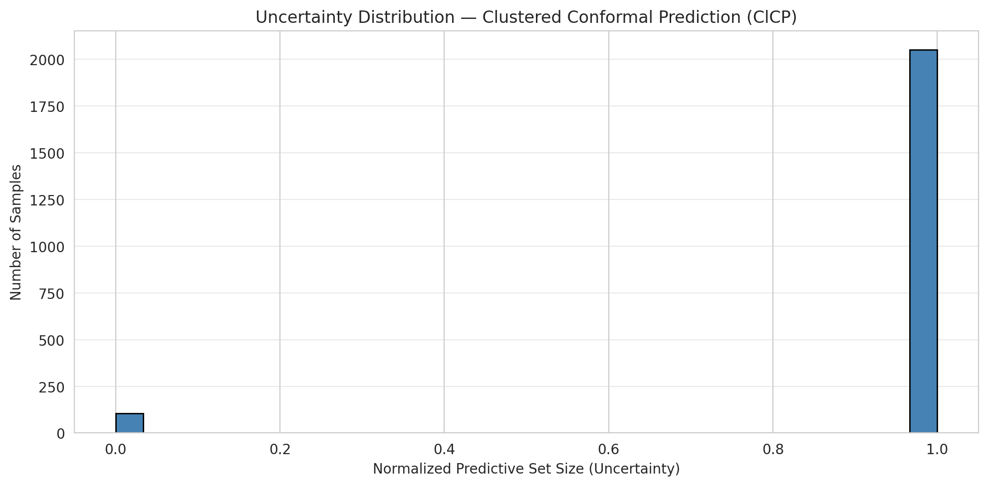
5 | 3
6 | 0

Cluster q_hat
cluster_id | q_hat_cluster
0 | 0.069259205237
1 | 0.016379560788
2 | 0.010810993946
3 | 0.021433545819

Cluster Mean Uncertainty
cluster | uncertainty
0 | 0.98529411765
1 | 0.95786061588
2 | 0.94740686633
3 | 0.9504950495

Class Mean Uncertainty
class_id | uncertainty
0 | 0.99124726477
1 | 0.85934065934 |  |  |  |  |  |  |  | Avg Uncertainty per Cluster
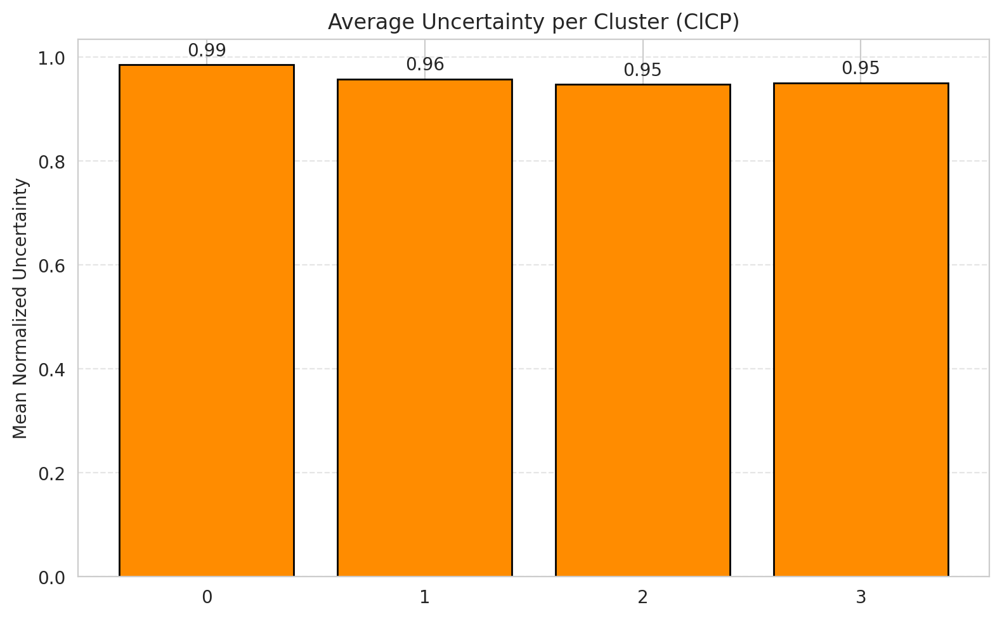
2 | 0.9606741573
3 | 0.92356687898
4 | 1
5 | 0.9504950495
6 | 0.98529411765

 |  |  |  |  |  |  |  |  | Avg Uncertainty per Class

RAPS_GFNet
RAPS - GFNet |  |  |  |  |  |  |  |  | Per-Class Coverage
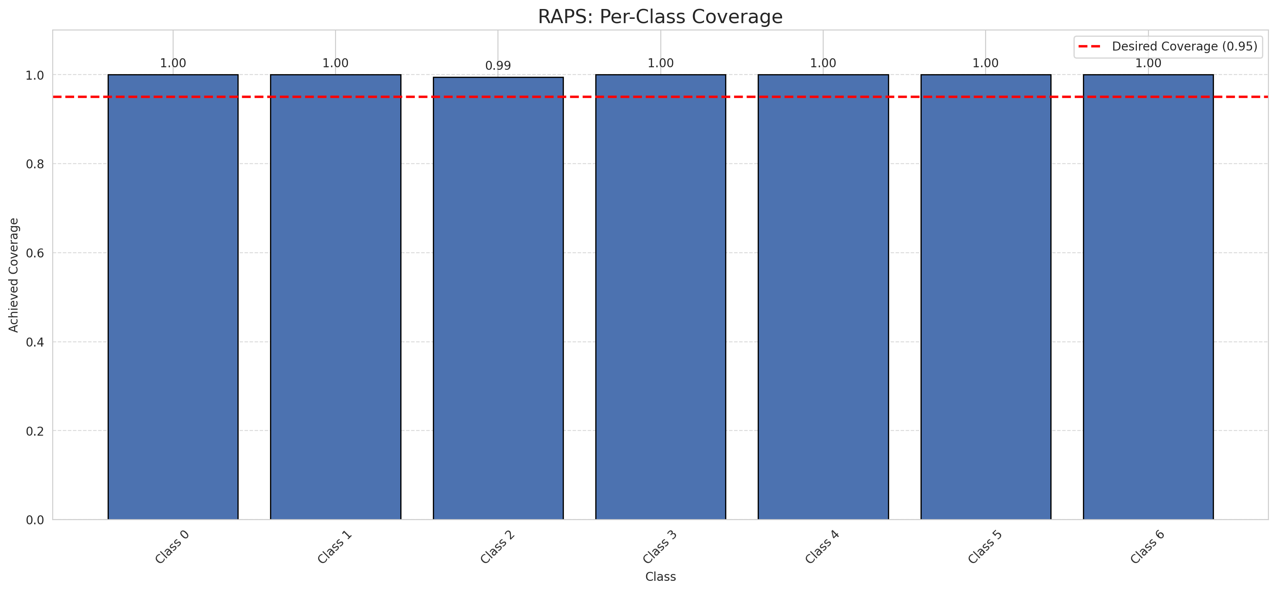
Summary
model_name | method | target_coverage | empirical_coverage | avg_set_size | median_set_size | singleton_rate | empty_set_rate | runtime_sec | alpha | lam | n_clusters | mean_per_class_coverage
GFNet | RAPS | 0.95 | 0.99907192575 | 1 | 1 | 1 | 0 | 0.38174056 | 0.05 | 0.01 |  | 0.9992019154

Per-Class Coverage Values
class_id | class_coverage | support_count
0 | 1 | 914
1 | 1 | 454
2 | 0.99441340782 | 358
3 | 1 | 156
4 | 1 | 104
5 | 1 | 101
6 | 1 | 68

RAPS Parameters
q_hat_raps | lambda | k_reg
0 | 0.01 | 1

Split_ViT
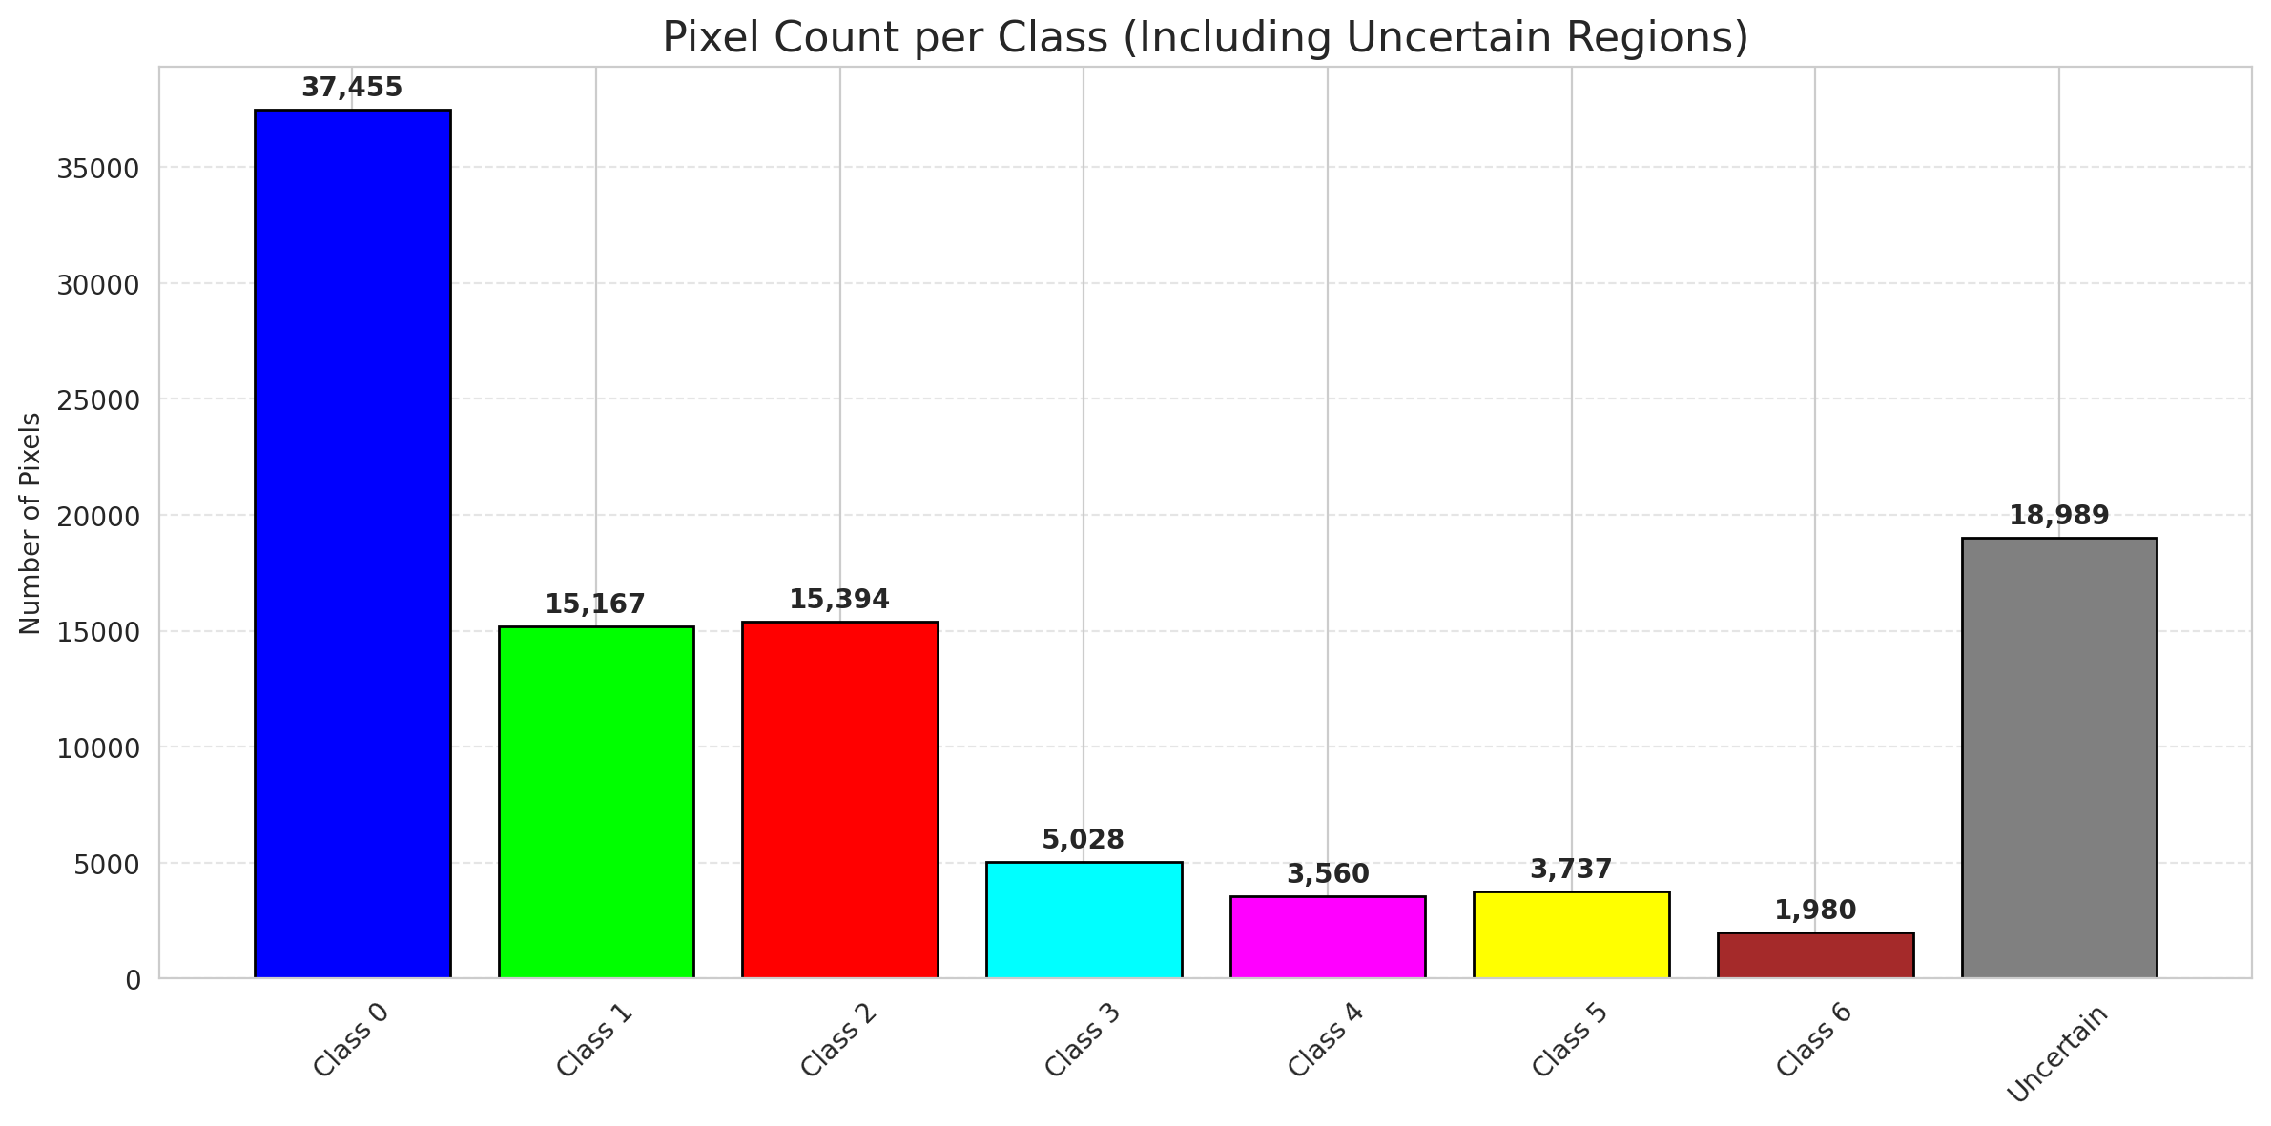
SplitConformal - ViT |  |  |  |  |  |  |  |  | Per-Class Coverage
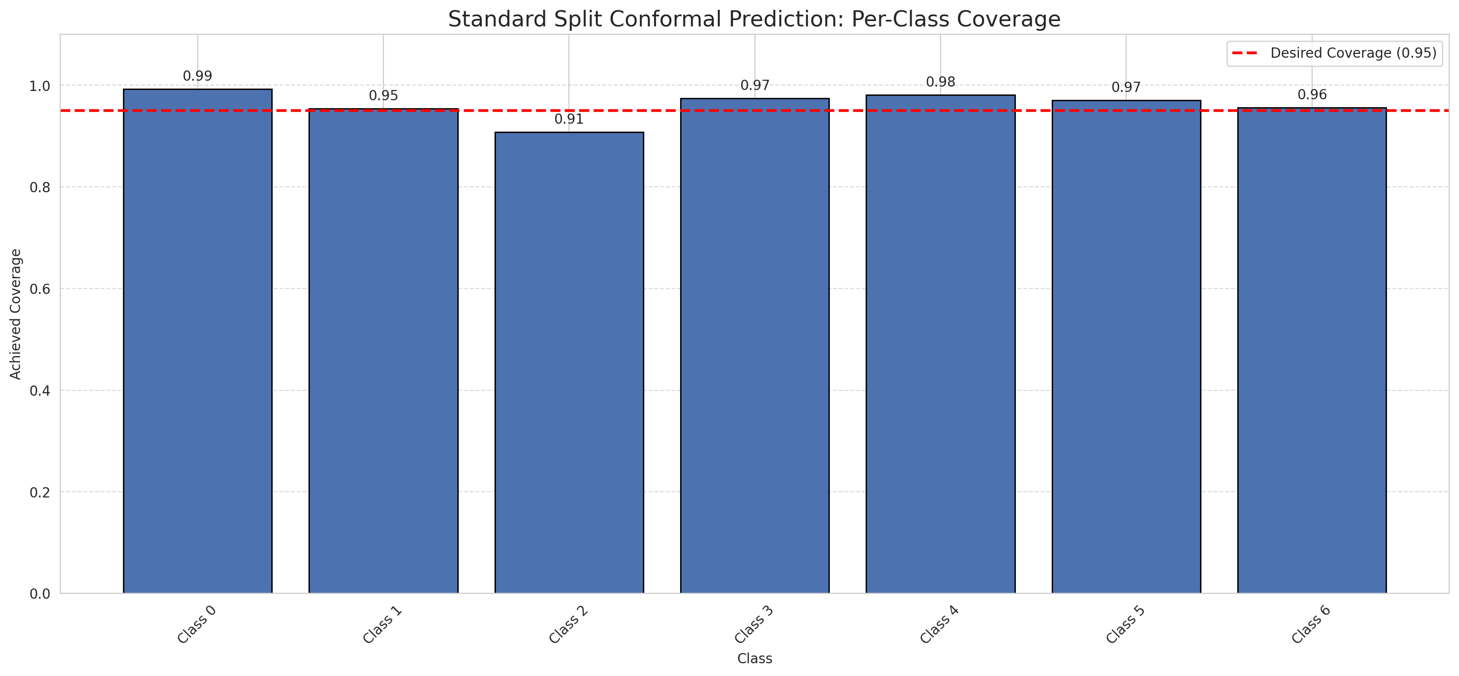
Summary
model_name | method | target_coverage | empirical_coverage | avg_set_size | median_set_size | singleton_rate | empty_set_rate | runtime_sec | alpha | lam | n_clusters | mean_per_class_coverage
ViT | SplitConformal | 0.95 | 0.96612529002 | 0.96705336427 | 1 | 0.96705336427 | 0.032946635731 | 1.716536261 | 0.05 |  |  | 0.96217352384

Per-Class Coverage Values
class_id | class_coverage | support_count
0 | 0.99234135667 | 914
1 | 0.95374449339 | 454
2 | 0.90782122905 | 358
3 | 0.97435897436 | 156
4 | 0.98076923077 | 104
5 | 0.9702970297 | 101
6 | 0.95588235294 | 68

Pixel Counts
class_id | label | pixel_count
0 | Class 0 | 37455
1 | Class 1 | 15167
2 | Class 2 | 15394
3 | Class 3 | 5028
4 | Class 4 | 3560 |  |  |  |  |  |  | Certain vs Uncertain Map
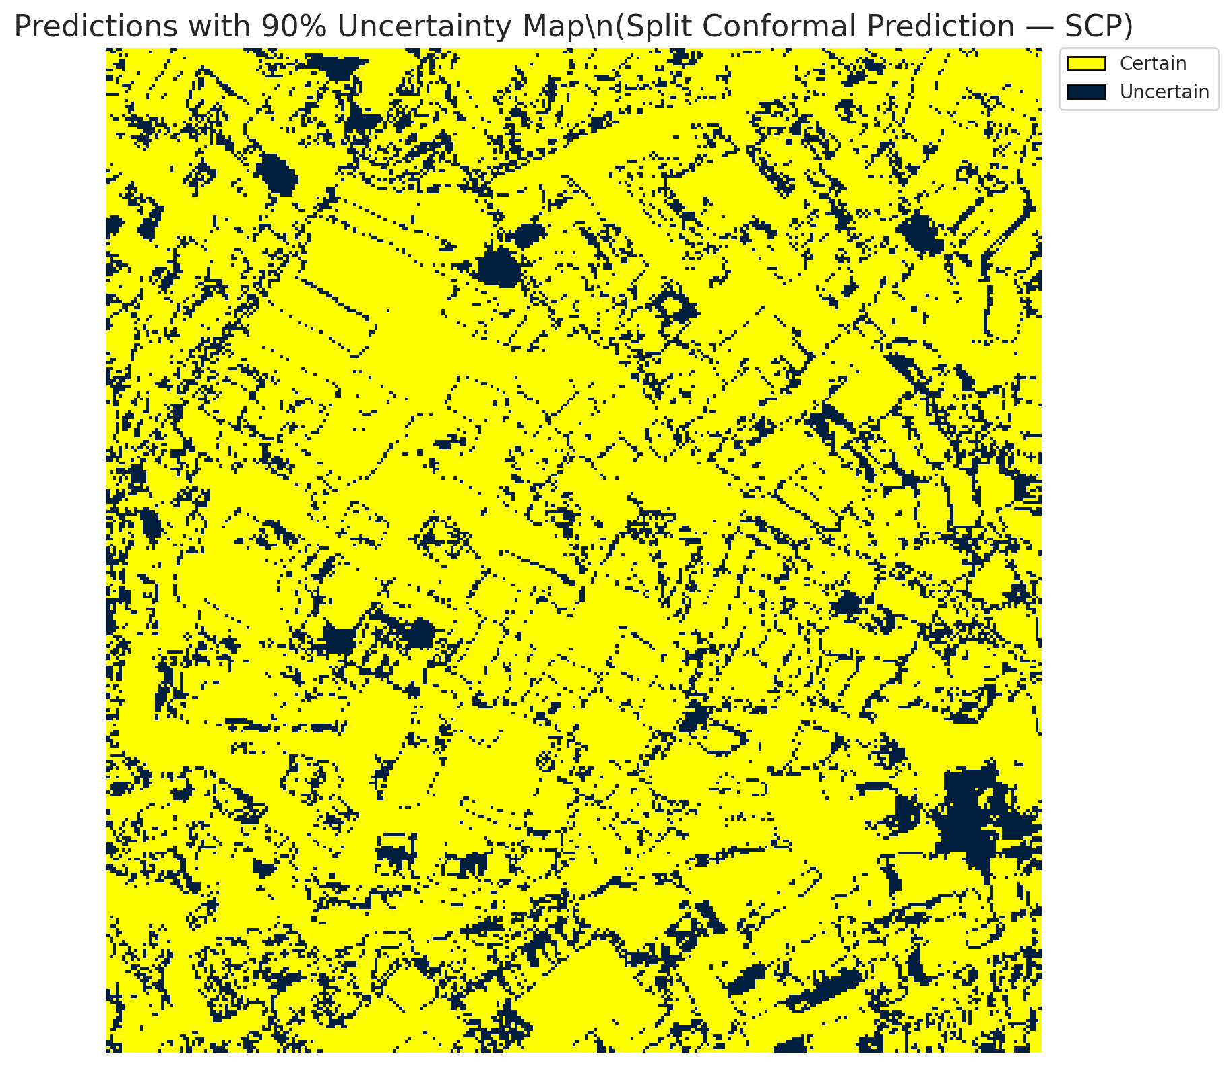
5 | Class 5 | 3737
6 | Class 6 | 1980
7 | Uncertain | 18989

Threshold
q_hat_split
0.045737238041

 |  |  |  |  |  |  |  |  | Class Map with Uncertain Mask
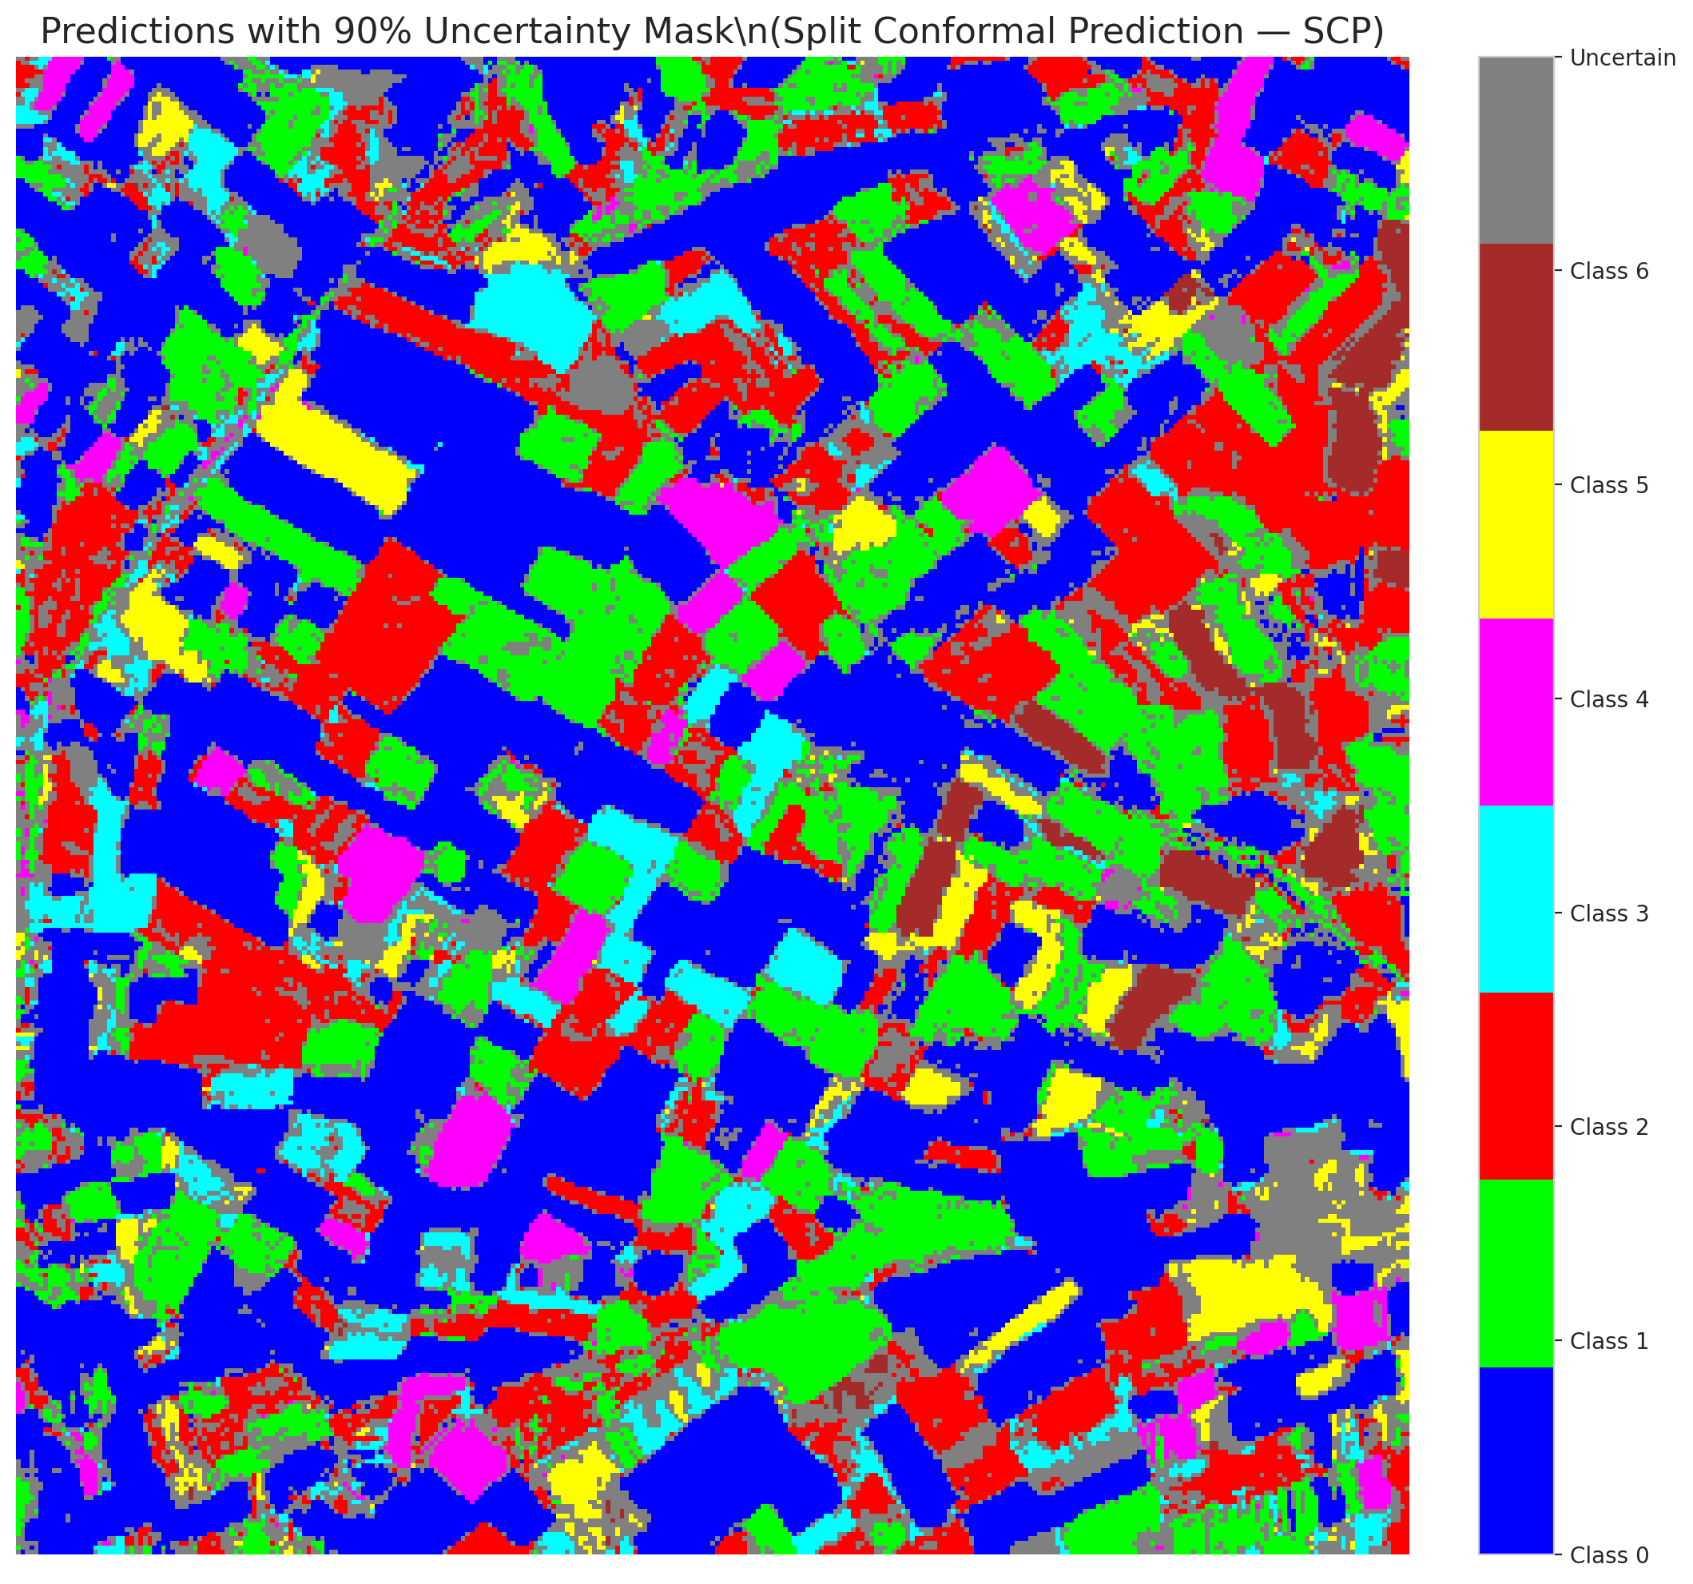

 |  |  |  |  |  |  |  |  | Pixel Counts

ClassCond_ViT

ClassConditionalConformal - ViT |  |  |  |  |  |  |  |  | Per-Class Coverage
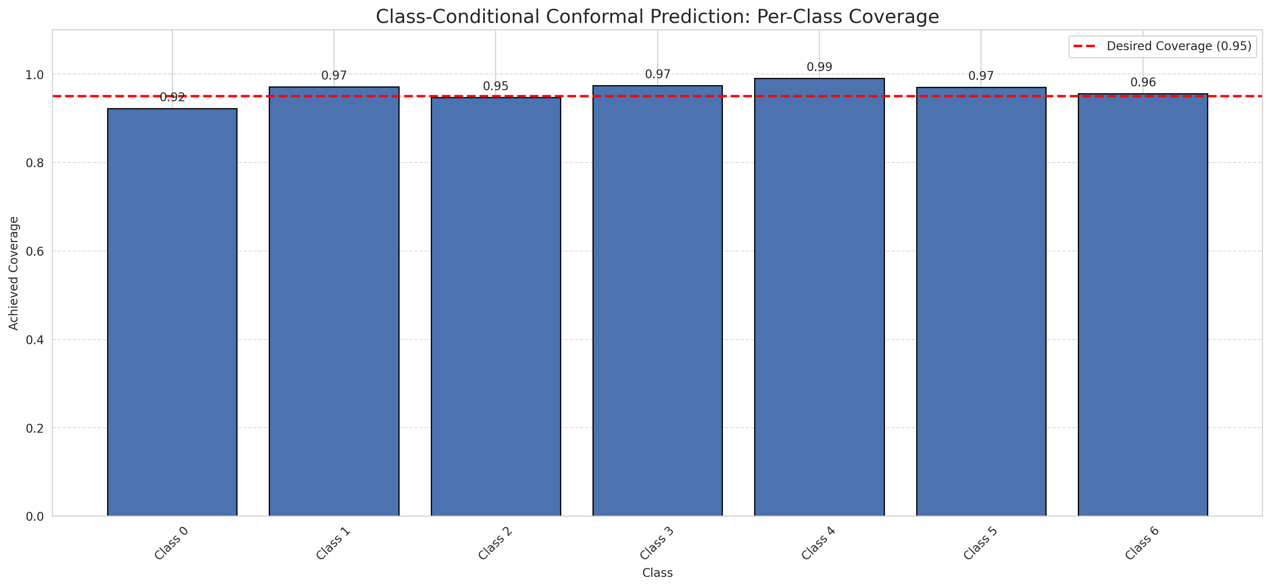
Summary
model_name | method | target_coverage | empirical_coverage | avg_set_size | median_set_size | singleton_rate | empty_set_rate | runtime_sec | alpha | lam | n_clusters | mean_per_class_coverage
ViT | ClassConditionalConformal | 0.95 | 0.94709976798 | 0.94802784223 | 1 | 0.94802784223 | 0.051972157773 | 1.961598886 | 0.05 |  |  | 0.9616479229

Per-Class Coverage Values
class_id | class_coverage | support_count
0 | 0.92231947484 | 914
1 | 0.97136563877 | 454
2 | 0.9469273743 | 358
3 | 0.97435897436 | 156
4 | 0.99038461538 | 104
5 | 0.9702970297 | 101
6 | 0.95588235294 | 68

Pixel Counts
class_id | label | pixel_count
0 | Class 0 | 35156
1 | Class 1 | 15781
2 | Class 2 | 16008
3 | Class 3 | 5056
4 | Class 4 | 3784 |  |  |  |  |  |  | Certain vs Uncertain Map
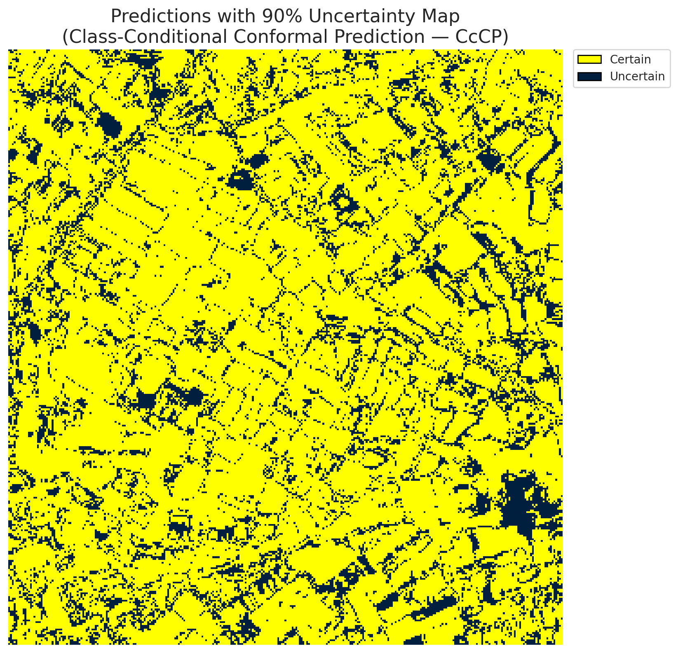
5 | Class 5 | 3796
6 | Class 6 | 1827
7 | Uncertain | 19902

Classwise q_hat
class_id | q_hat_classconditional
0 | 0.04467611572
1 | 0.048184736296
2 | 0.04651041526
3 | 0.046109258157
4 | 0.067615900649
5 | 0.047449222553
6 | 0.034970422103

 |  |  |  |  |  |  |  |  | Class Map with Uncertain Mask
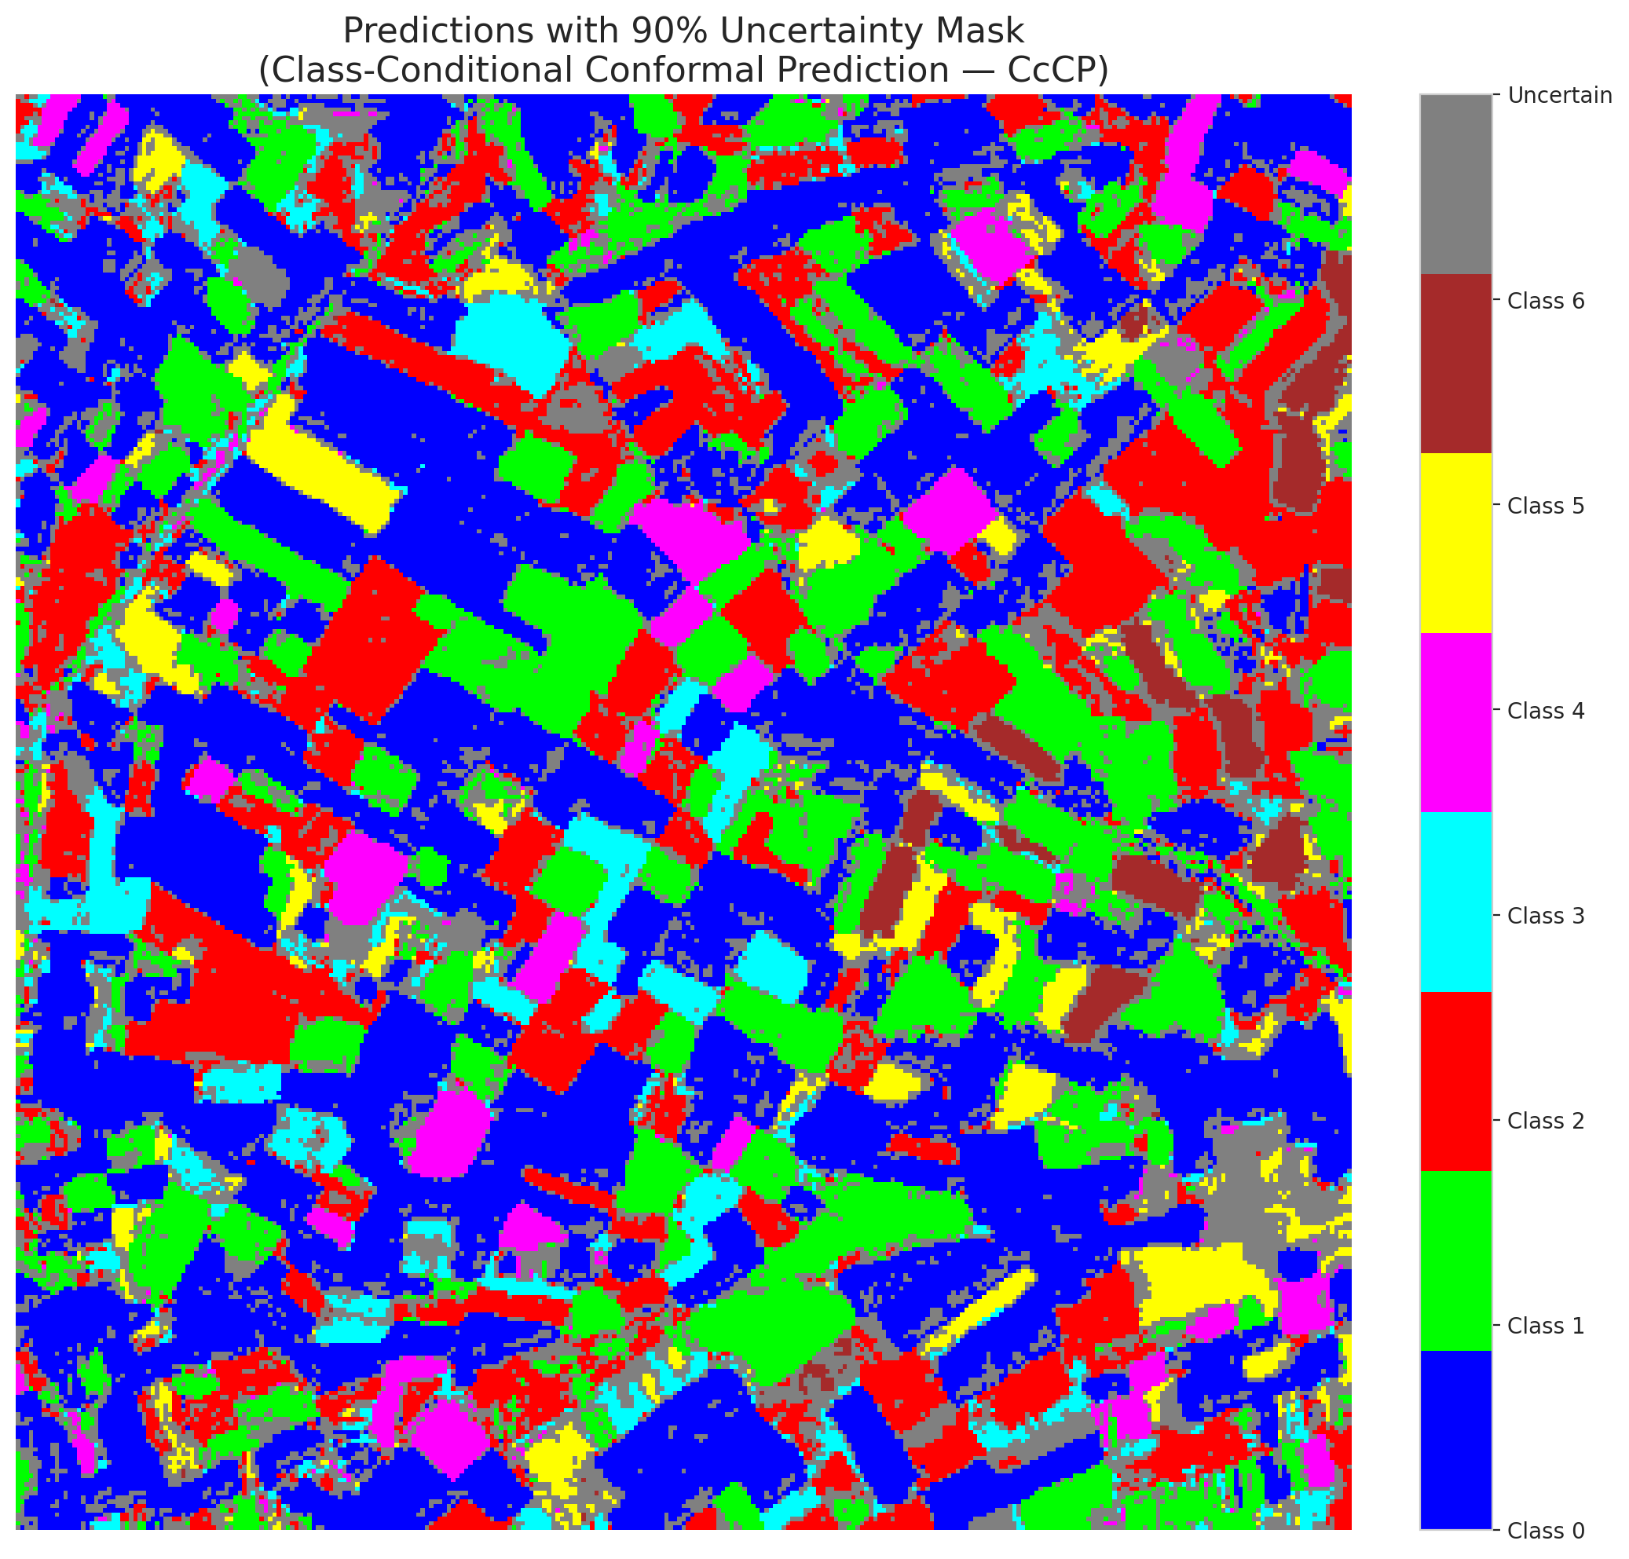

 |  |  |  |  |  |  |  |  | Pixel Counts

RC3P_ViT
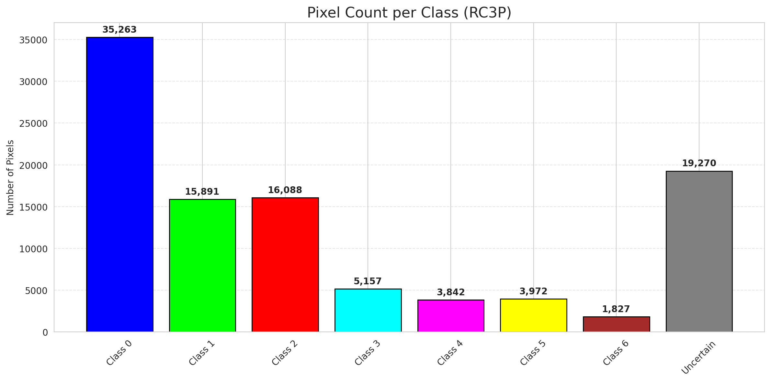
RC3P - ViT |  |  |  |  |  |  |  |  | Per-Class Coverage
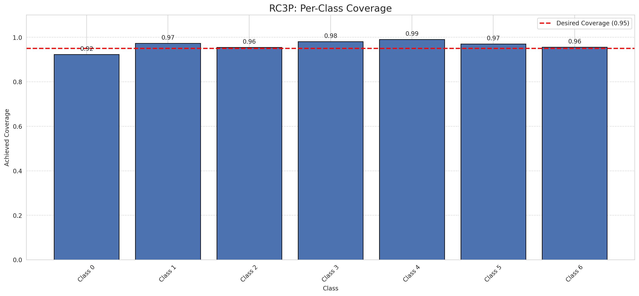
Summary
model_name | method | target_coverage | empirical_coverage | avg_set_size | median_set_size | singleton_rate | empty_set_rate | runtime_sec | alpha | lam | n_clusters | mean_per_class_coverage
ViT | RC3P | 0.95 | 0.94988399072 | 0.95081206497 | 1 | 0.95081206497 | 0.049187935035 | 1.570535541 | 0.05 |  |  | 0.96423176286

Per-Class Coverage Values
class_id | class_coverage | support_count
0 | 0.92341356674 | 914
1 | 0.97356828194 | 454
2 | 0.95530726257 | 358
3 | 0.98076923077 | 156
4 | 0.99038461538 | 104
5 | 0.9702970297 | 101
6 | 0.95588235294 | 68

Pixel Counts
class_id | label | pixel_count
0 | Class 0 | 35263
1 | Class 1 | 15891
2 | Class 2 | 16088
3 | Class 3 | 5157
4 | Class 4 | 3842 |  |  |  |  |  |  | Certain vs Uncertain Map
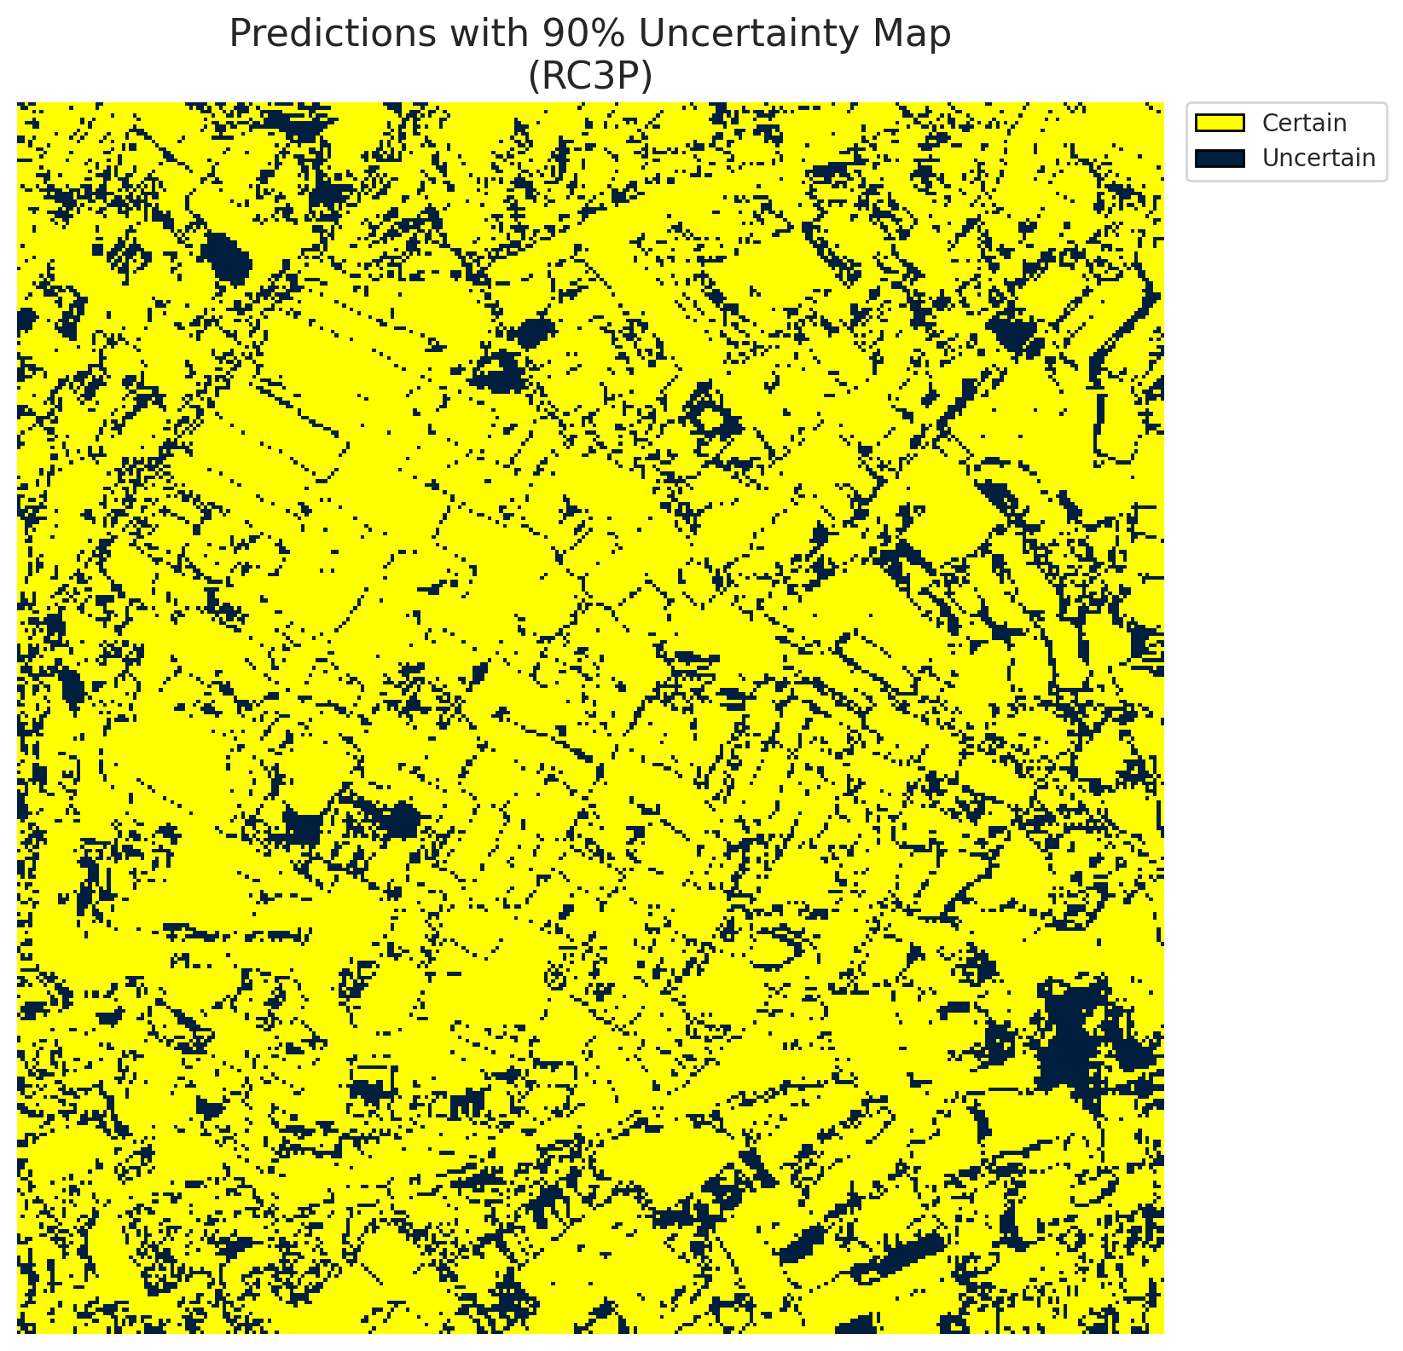
5 | Class 5 | 3972
6 | Class 6 | 1827
7 | Uncertain | 19270

RC3P Thresholds & Limits
class_id | q_hat_rc3p | suit_index_limit
0 | 0.044698087589 | 2
1 | 0.048944205801 | 2
2 | 0.046623495595 | 2
3 | 0.047811511093 | 2
4 | 0.076976000543 | 2
5 | 0.052533020362 | 2
6 | 0.034970422103 | 2

 |  |  |  |  |  |  |  |  | Class Map with Uncertain Mask
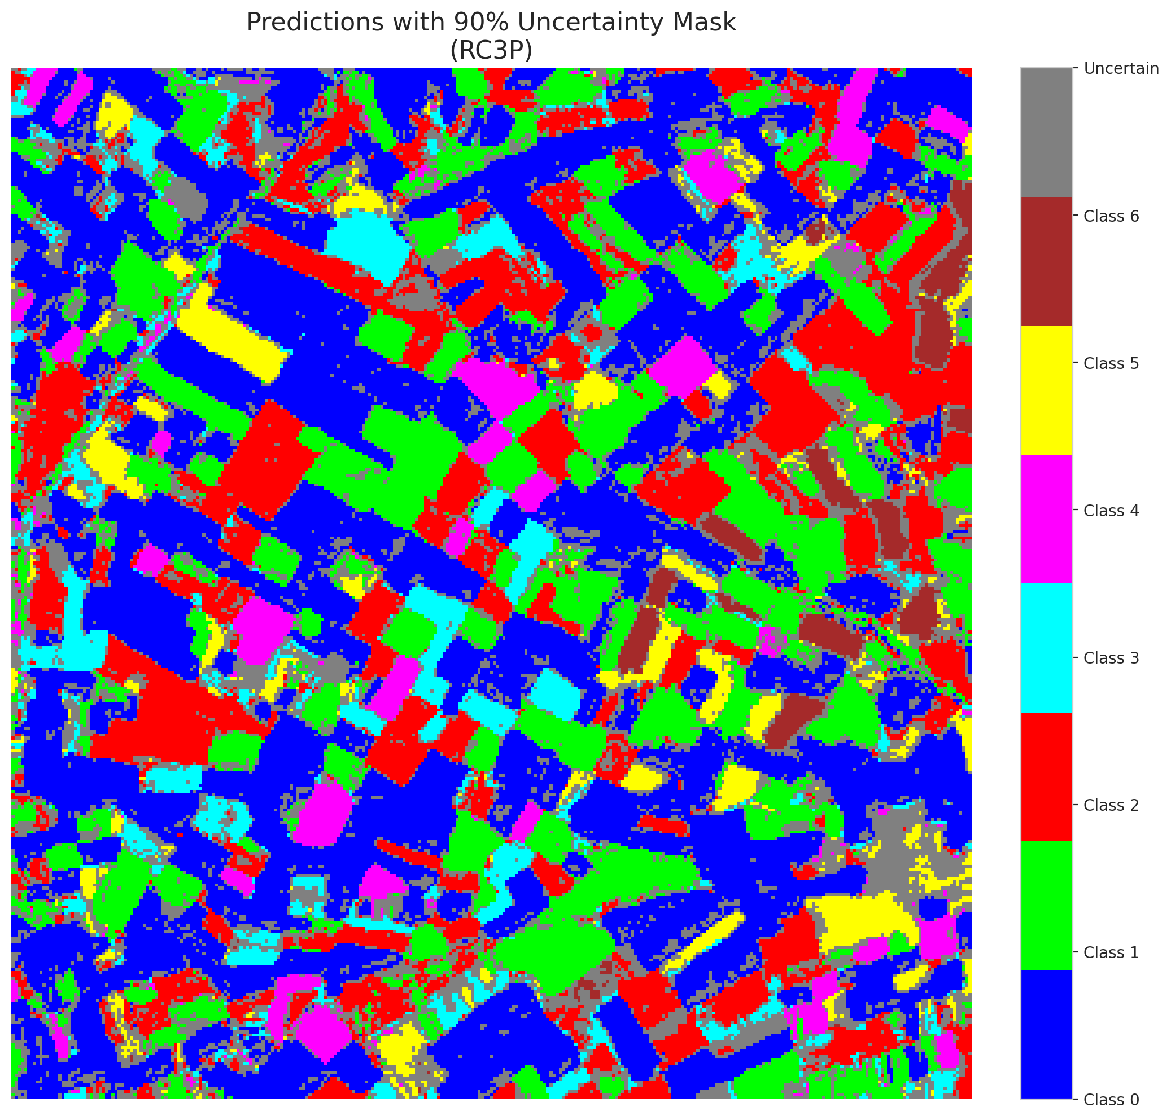

 |  |  |  |  |  |  |  |  | Pixel Counts

Clustered_ViT
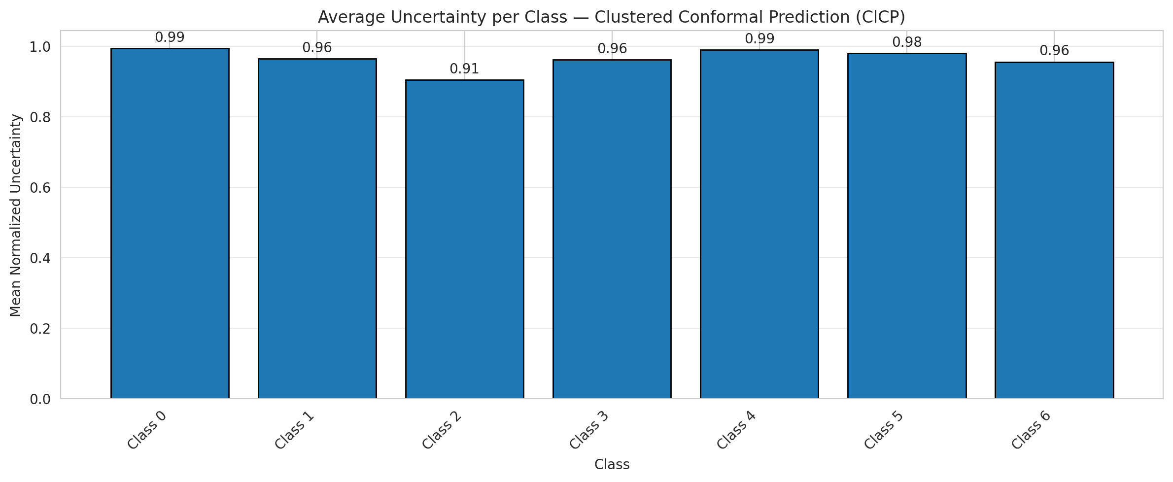
ClusteredConformal - ViT |  |  |  |  |  |  |  |  | Per-Class Coverage
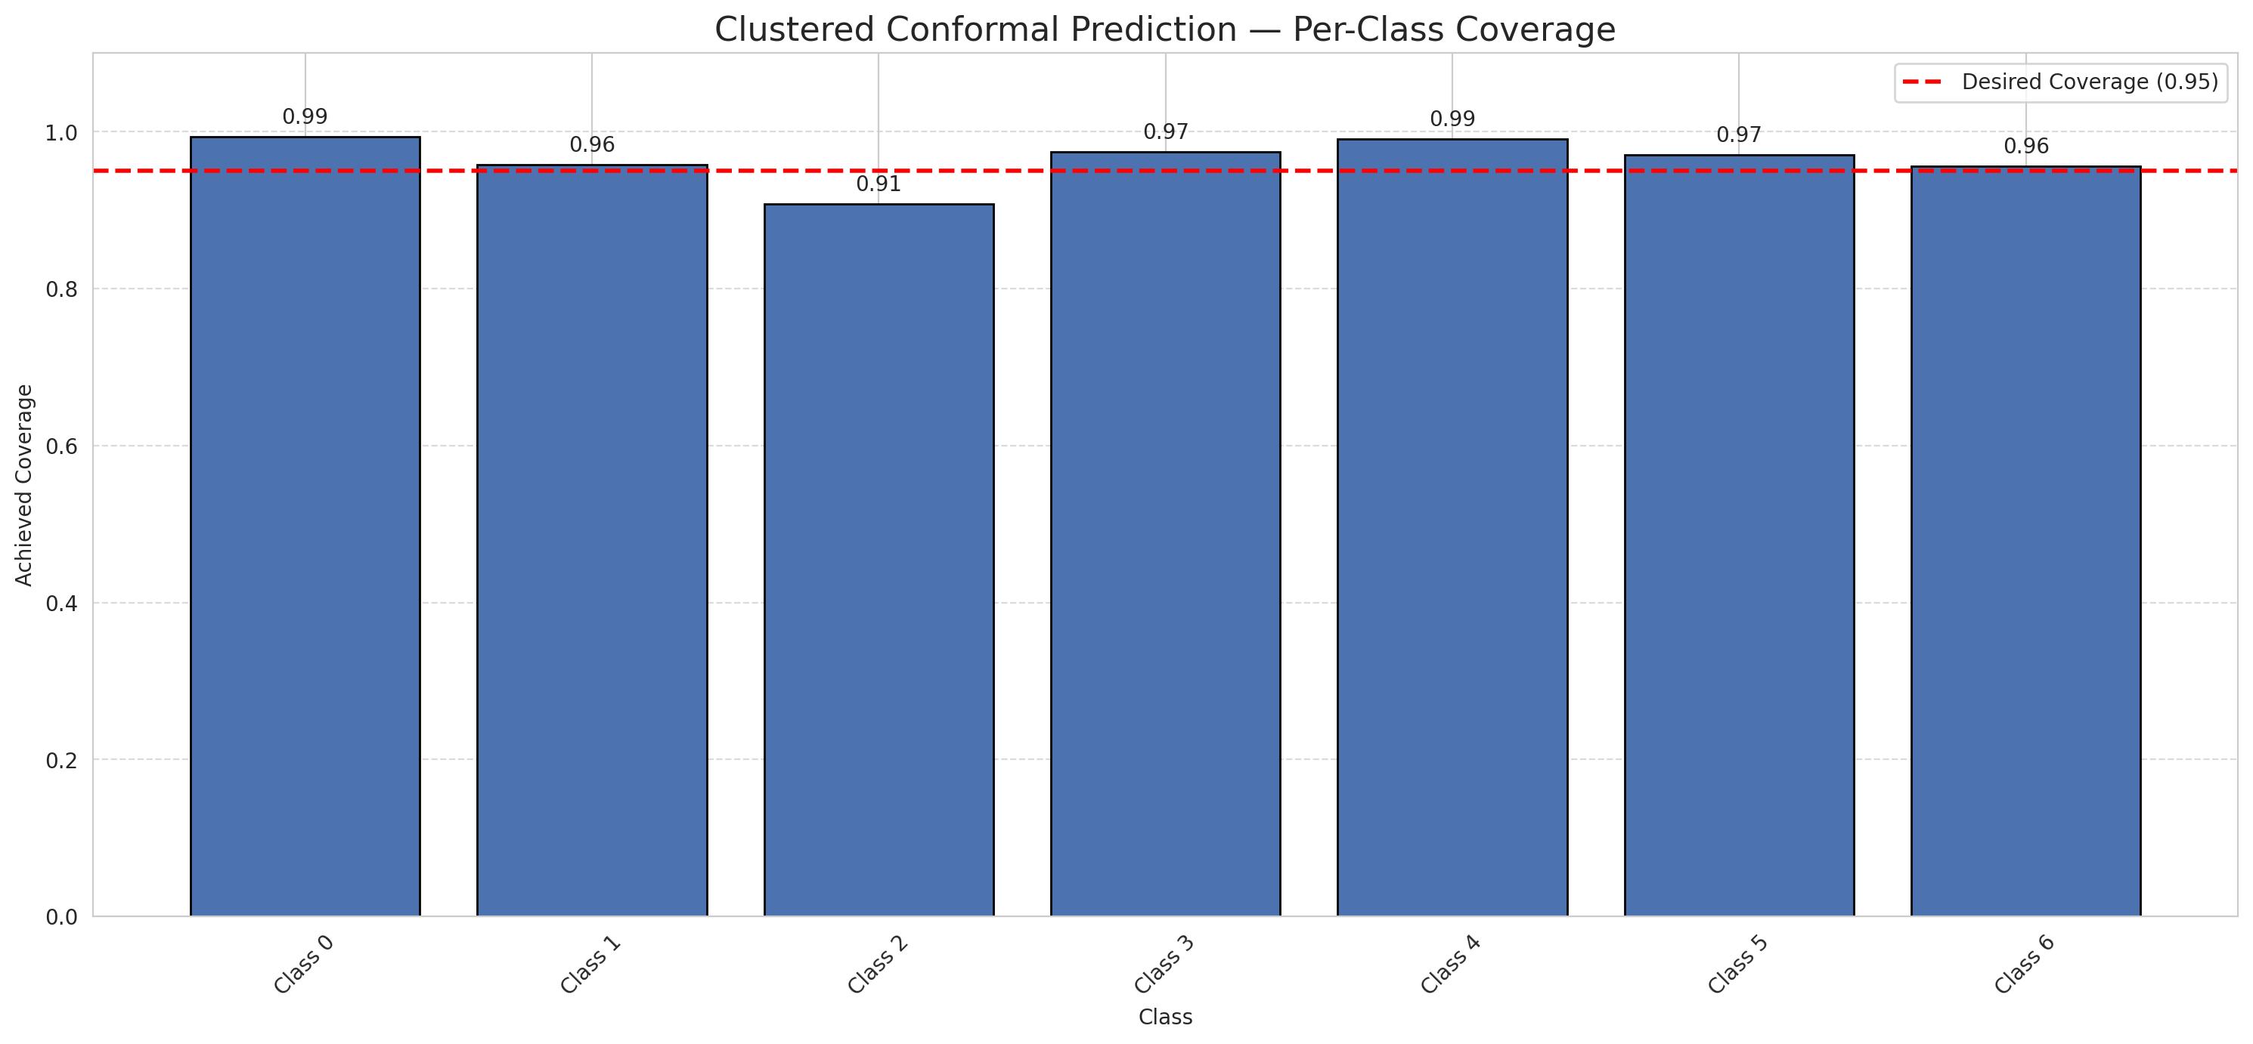
Summary
model_name | method | target_coverage | empirical_coverage | avg_set_size | median_set_size | singleton_rate | empty_set_rate | runtime_sec | alpha | lam | n_clusters | mean_per_class_coverage
ViT | ClusteredConformal | 0.95 | 0.96798143852 | 0.96890951276 | 1 | 0.96890951276 | 0.031090487239 | 11.83670041 | 0.05 |  | 4 | 0.96433277568

Per-Class Coverage Values
class_id | class_coverage | support_count
0 | 0.99343544858 | 914
1 | 0.95814977974 | 454
2 | 0.90782122905 | 358
3 | 0.97435897436 | 156
4 | 0.99038461538 | 104
5 | 0.9702970297 | 101
6 | 0.95588235294 | 68

Class-to-Cluster Assignment
class_id | cluster_id
0 | 1
1 | 1
2 | 1
3 | 1
4 | 0 |  |  |  |  |  |  |  | Uncertainty Distribution
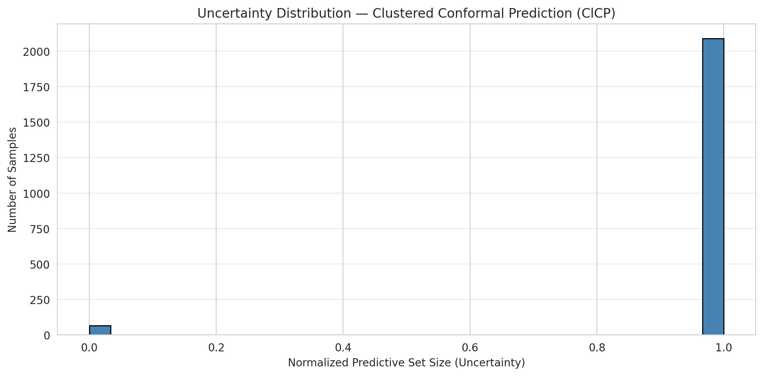
5 | 3
6 | 2

Cluster q_hat
cluster_id | q_hat_cluster
0 | 0.067615900649
1 | 0.045788331599
2 | 0.034970422103
3 | 0.047449222553

Cluster Mean Uncertainty
cluster | uncertainty
0 | 0.99047619048
1 | 0.96758767269
2 | 0.95588235294
3 | 0.98

Class Mean Uncertainty
class_id | uncertainty
0 | 0.99452354874
1 | 0.96460176991 |  |  |  |  |  |  |  | Avg Uncertainty per Cluster
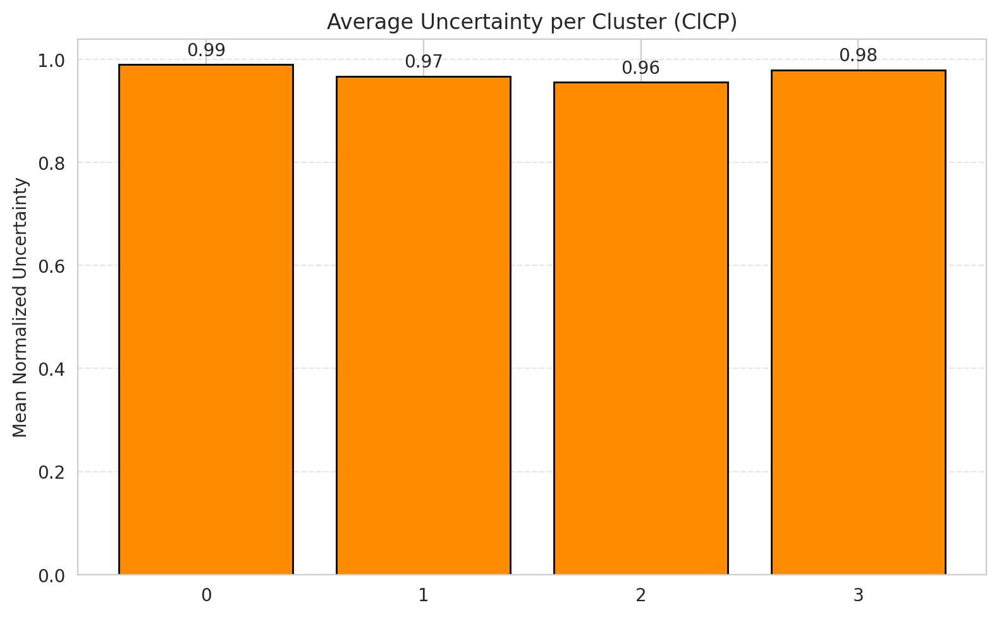
2 | 0.90529247911
3 | 0.96202531646
4 | 0.99047619048
5 | 0.98
6 | 0.95588235294

 |  |  |  |  |  |  |  |  | Avg Uncertainty per Class

RAPS_ViT
RAPS - ViT |  |  |  |  |  |  |  |  | Per-Class Coverage
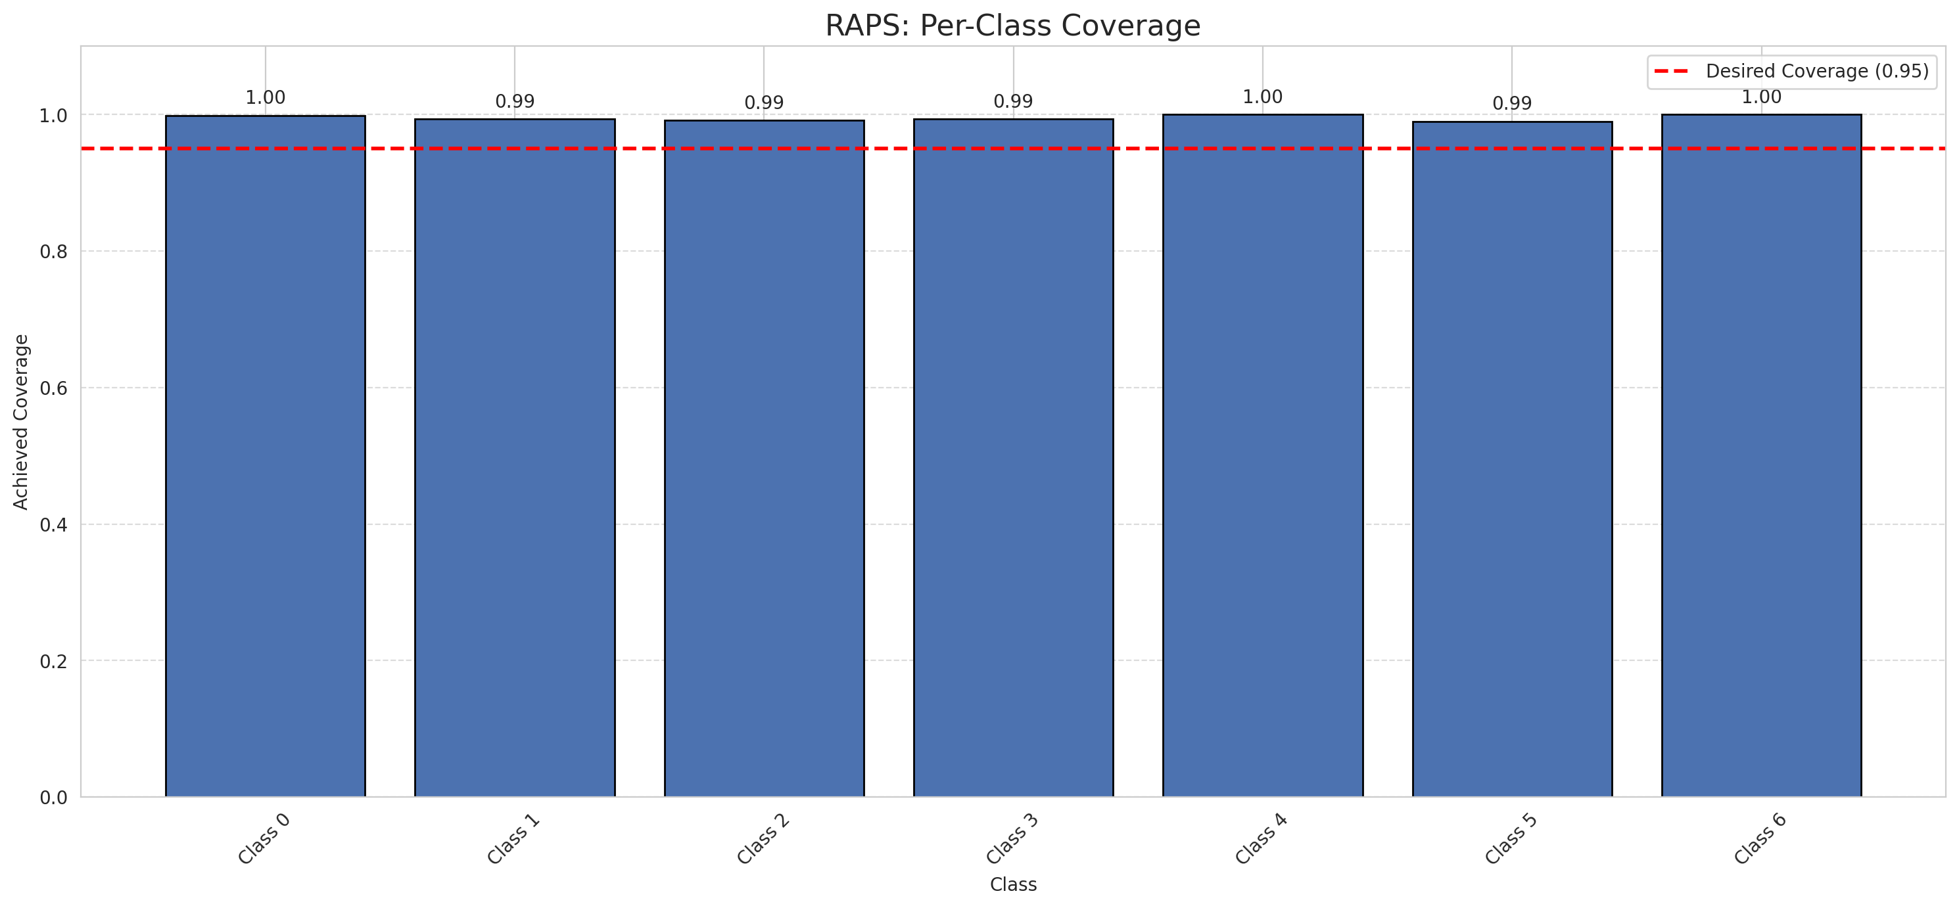
Summary
model_name | method | target_coverage | empirical_coverage | avg_set_size | median_set_size | singleton_rate | empty_set_rate | runtime_sec | alpha | lam | n_clusters | mean_per_class_coverage
ViT | RAPS | 0.95 | 0.99582366589 | 1 | 1 | 1 | 0 | 0.397331072 | 0.05 | 0.01 |  | 0.99537240626

Per-Class Coverage Values
class_id | class_coverage | support_count
0 | 0.9989059081 | 914
1 | 0.99339207048 | 454
2 | 0.99162011173 | 358
3 | 0.99358974359 | 156
4 | 1 | 104
5 | 0.9900990099 | 101
6 | 1 | 68

RAPS Parameters
q_hat_raps | lambda | k_reg
0 | 0.01 | 1

Compare_Clustered
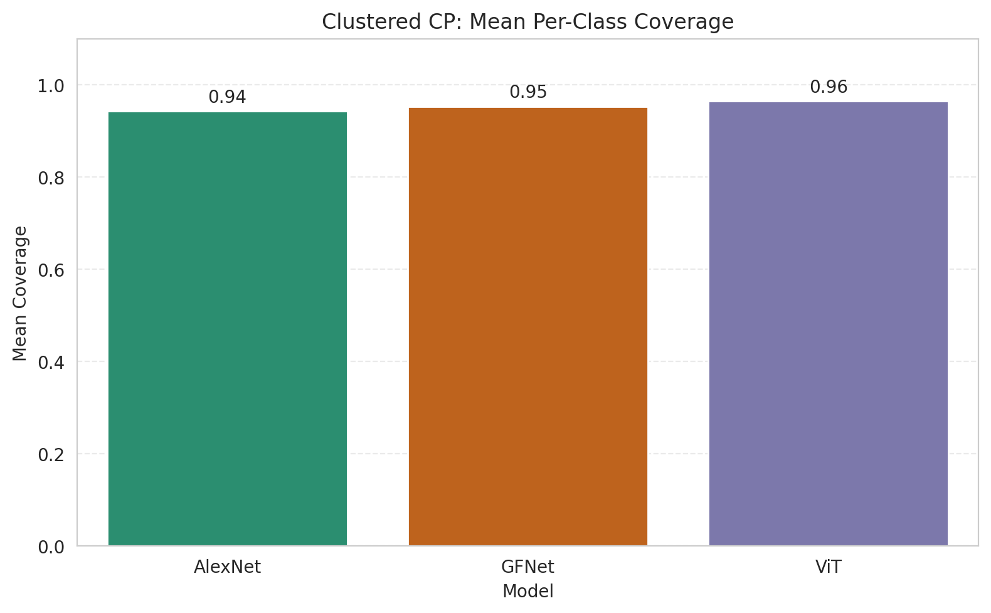
Clustered CP: 3-Model Comparison

model_name | method | target_coverage | empirical_coverage | avg_set_size | median_set_size | singleton_rate | empty_set_rate | model_name | mean_per_class_coverage | lam | n_clusters | mean_per_class_coverage
AlexNet | ClusteredConformal | 0.95 | 0.95823665893 | 0.95823665893 | 1 | 0.95823665893 | 0.041763341067 | AlexNet | 0.94311787969 |  | 4 | 0.94311787969
GFNet | ClusteredConformal | 0.95 | 0.95174013921 | 0.95174013921 | 1 | 0.95174013921 | 0.048259860789 | GFNet | 0.95329490774 |  | 4 | 0.95329490774
ViT | ClusteredConformal | 0.95 | 0.96798143852 | 0.96890951276 | 1 | 0.96890951276 | 0.031090487239 | ViT | 0.96433277568 |  | 4 | 0.96433277568

Grouped Metrics Comparison

Mean Per-Class Coverage Comparison

Compare_RAPS
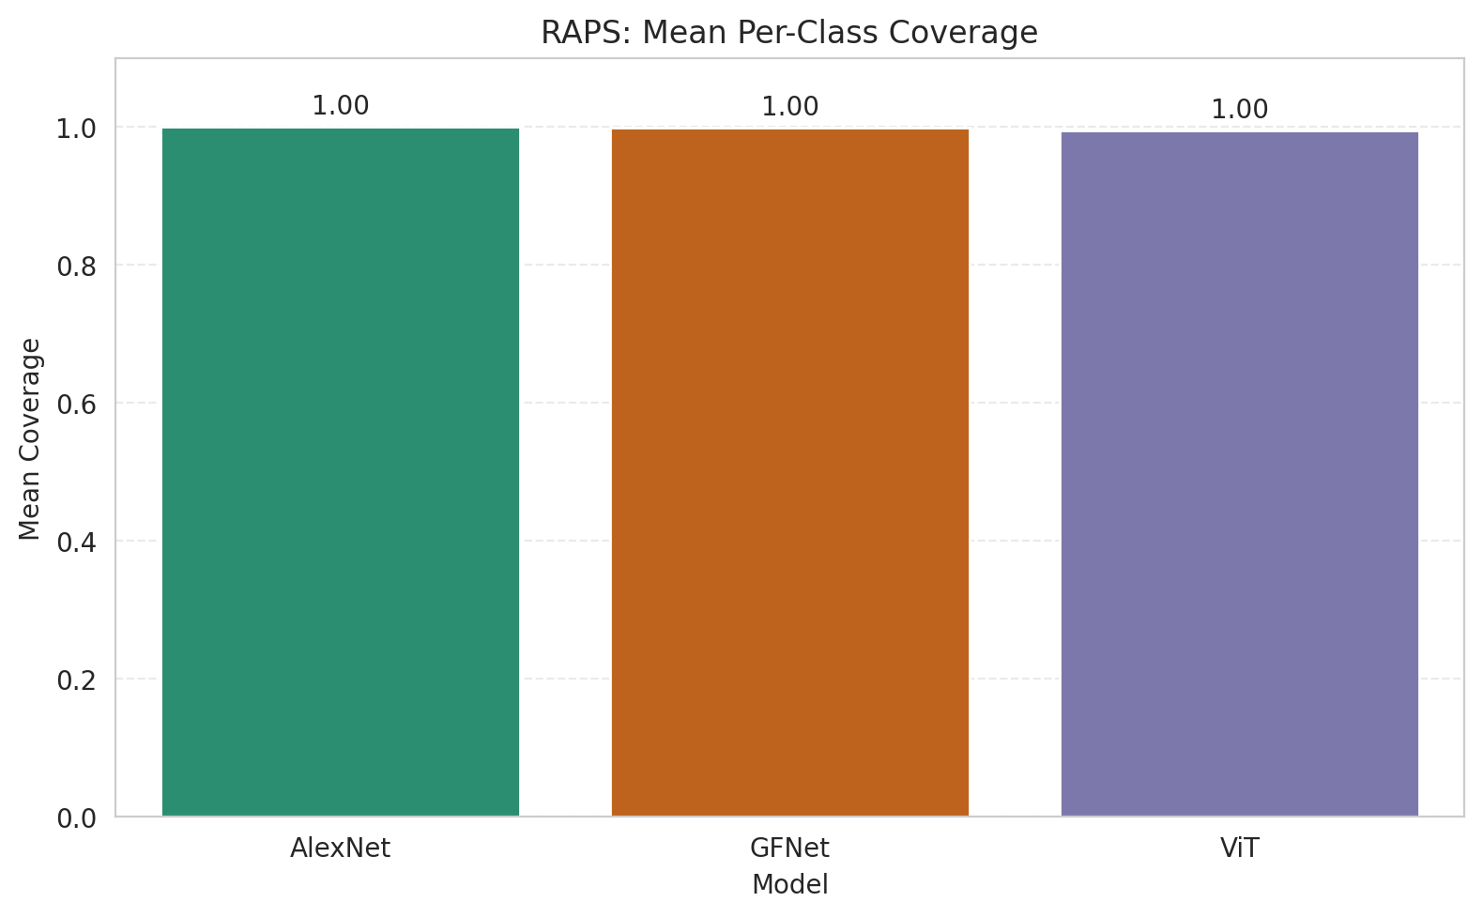
RAPS: 3-Model Comparison

model_name | method | target_coverage | empirical_coverage | avg_set_size | median_set_size | singleton_rate | empty_set_rate | model_name | mean_per_class_coverage | lam | n_clusters | mean_per_class_coverage
AlexNet | RAPS | 0.95 | 1 | 1 | 1 | 1 | 0 | AlexNet | 1 | 0.01 |  | 1
GFNet | RAPS | 0.95 | 0.99907192575 | 1 | 1 | 1 | 0 | GFNet | 0.9992019154 | 0.01 |  | 0.9992019154
ViT | RAPS | 0.95 | 0.99582366589 | 1 | 1 | 1 | 0 | ViT | 0.99537240626 | 0.01 |  | 0.99537240626

Grouped Metrics Comparison

Mean Per-Class Coverage Comparison

