SACP_AlexNet
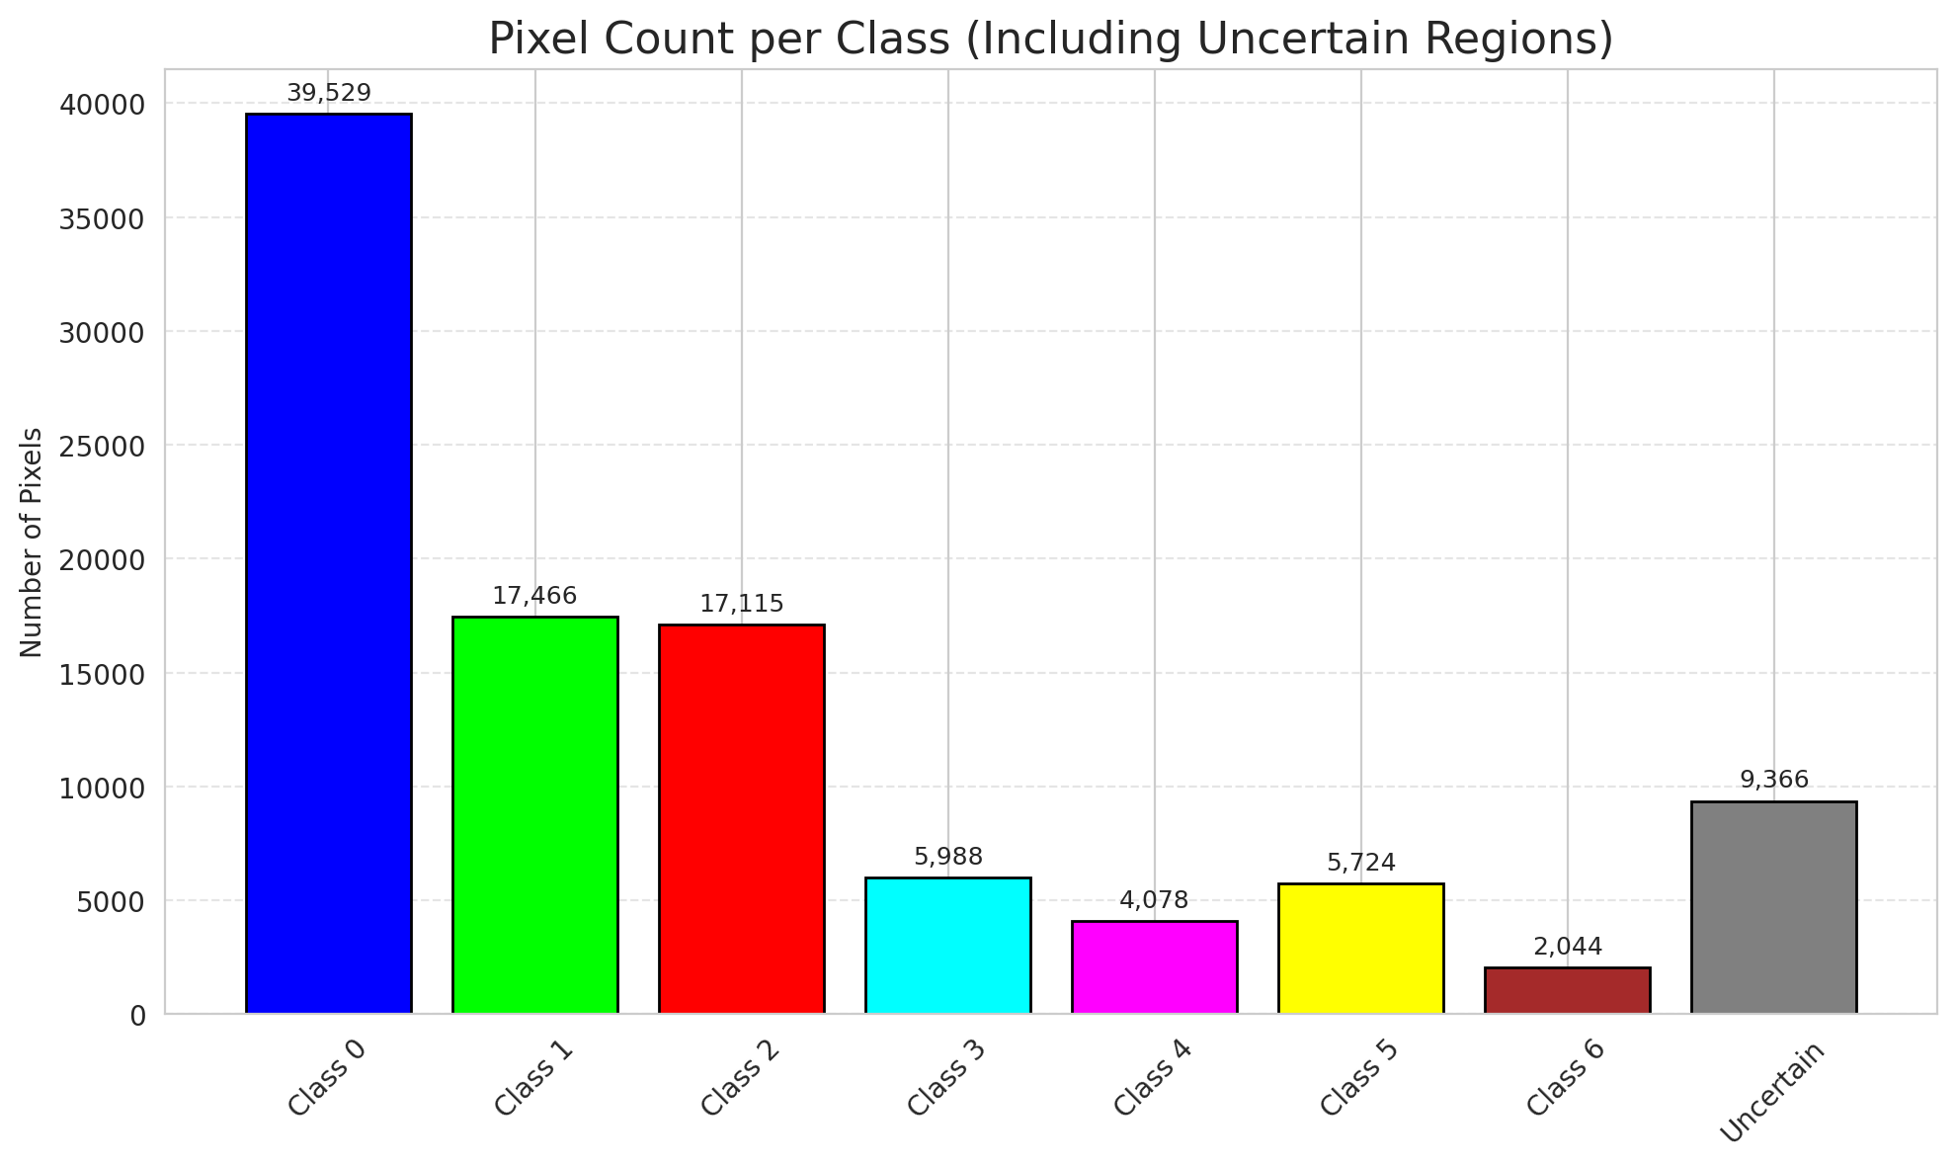
SACP - AlexNet |  |  |  |  |  |  |  |  | Per-Class Coverage
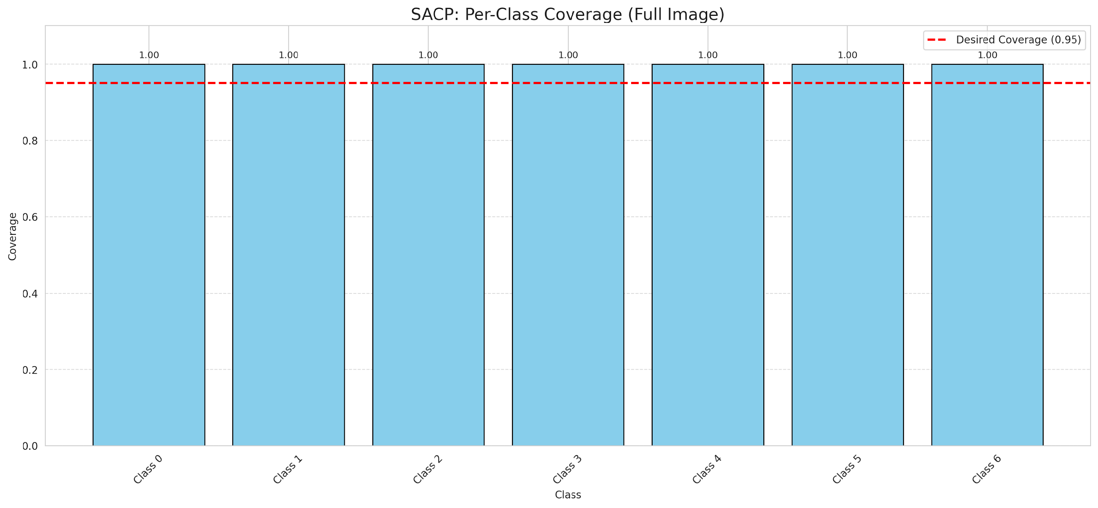
Summary
model_name | method | target_coverage | empirical_coverage | avg_set_size | median_set_size | singleton_rate | empty_set_rate | runtime_sec | alpha | lambda | k | q_hat | mean_per_class_coverage
AlexNet | SACP | 0.95 | 1 | 1 | 1 | 1 | 0 | 1579.2846309 | 0.05 | 0.5 | 1 | 0.85201551679 | 1

Per-Class Coverage Values
class_id | class_coverage | support_count
0 | 1 | 914
1 | 1 | 454
2 | 1 | 358
3 | 1 | 156
4 | 1 | 104
5 | 1 | 101
6 | 1 | 68

Pixel Counts
class_id | label | pixel_count
0 | Class 0 | 39529
1 | Class 1 | 17466
2 | Class 2 | 17115
3 | Class 3 | 5988
4 | Class 4 | 4078 |  |  |  |  |  |  | Certain vs Uncertain Map
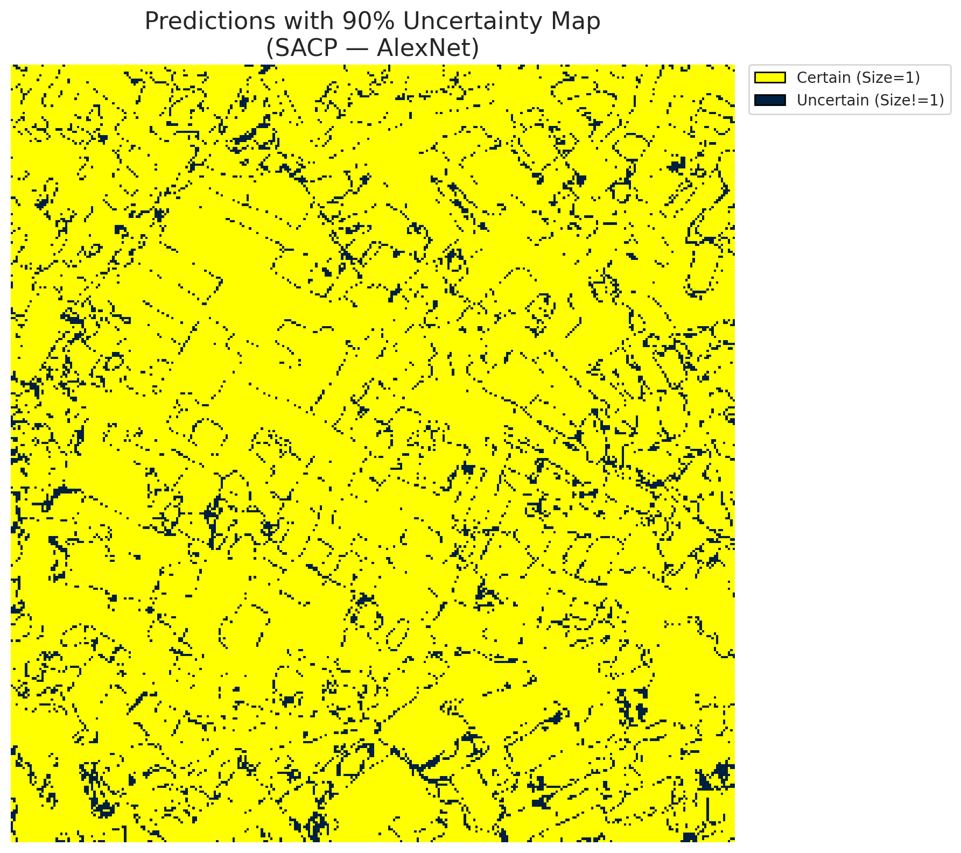
5 | Class 5 | 5724
6 | Class 6 | 2044
7 | Uncertain | 9366

SACP Parameters
q_hat | alpha | lambda | k | avg_set_size_eval
0.85201551679 | 0.05 | 0.5 | 1 | 1

 |  |  |  |  |  |  |  |  | Class Map with Uncertain Mask
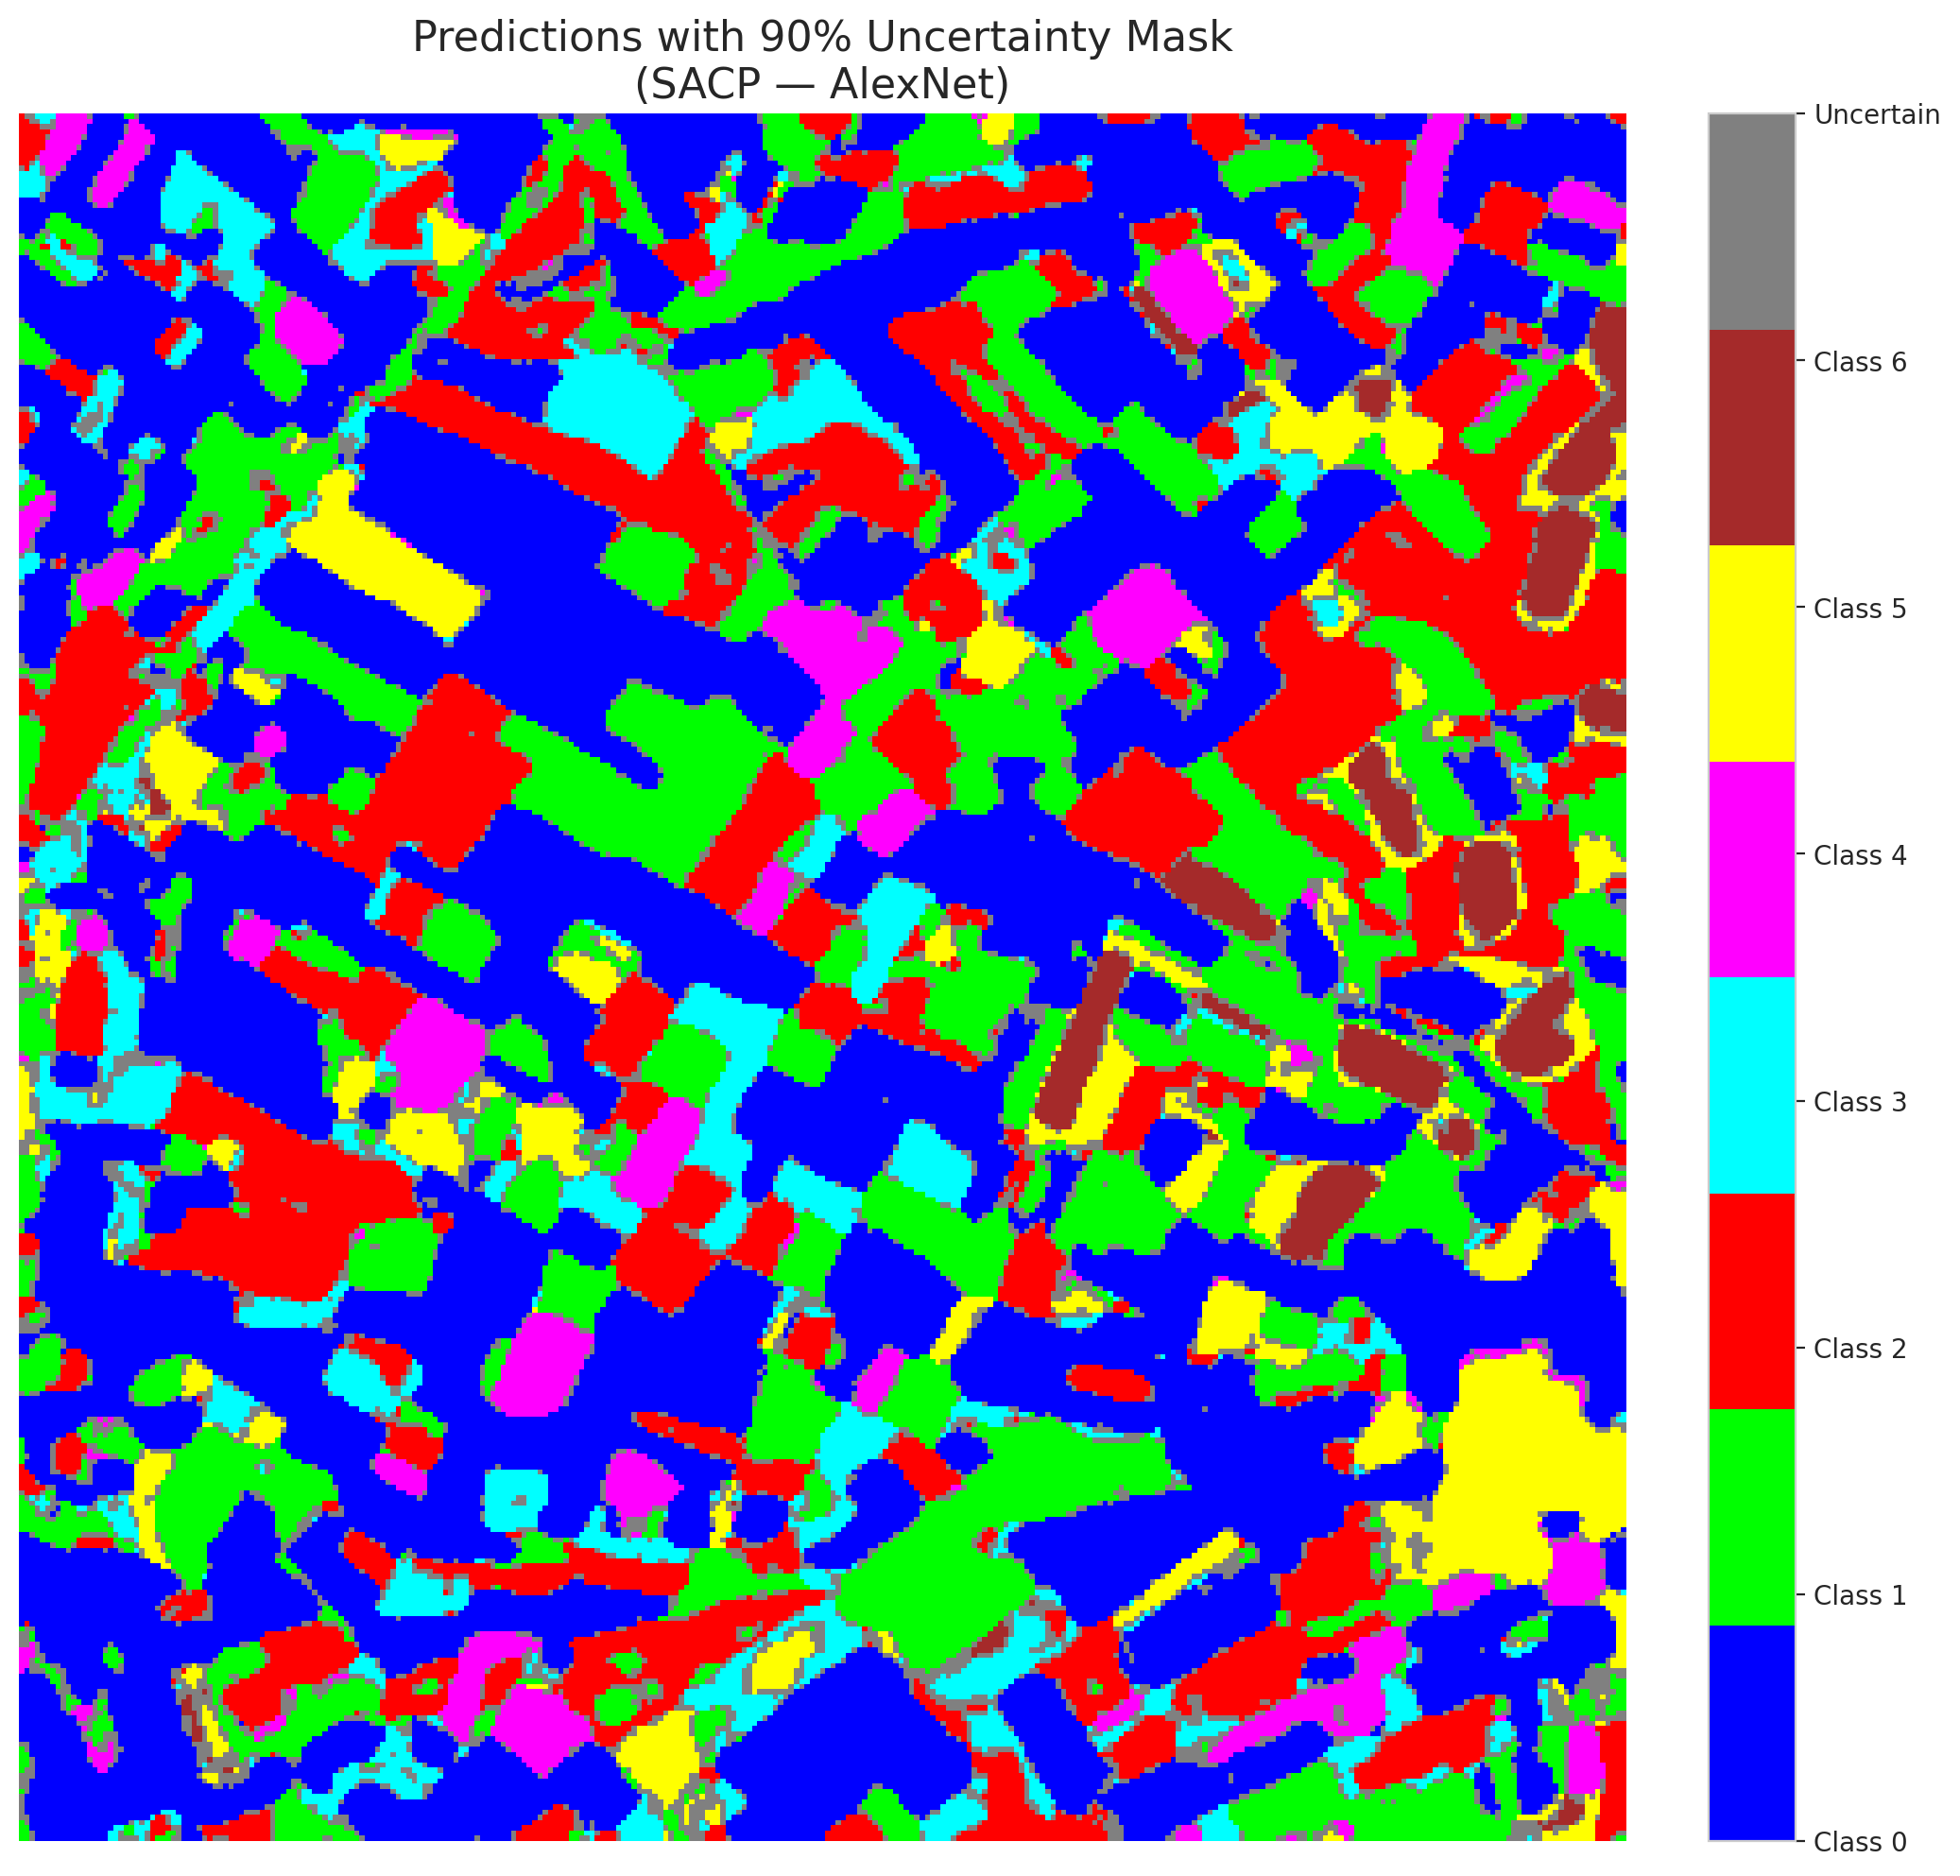

 |  |  |  |  |  |  |  |  | Pixel Counts

SACP_GFNet
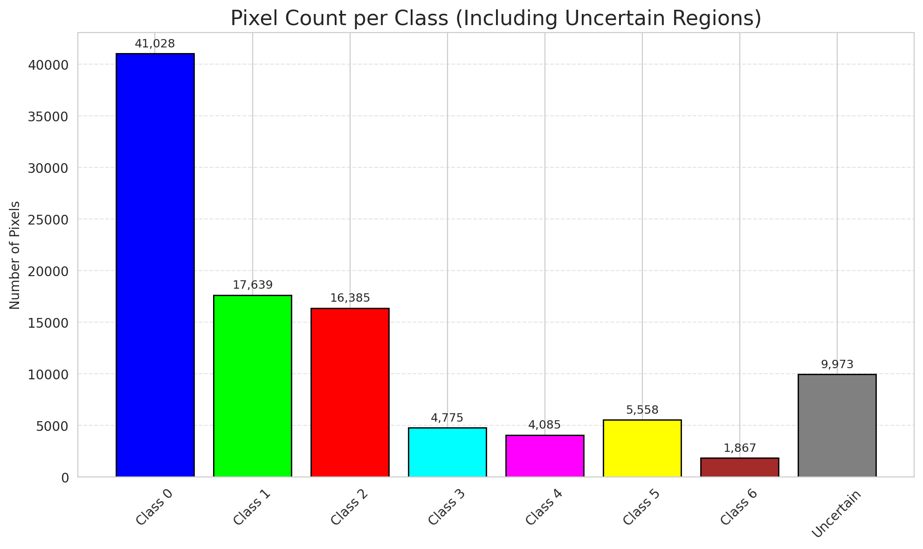
SACP - GFNet |  |  |  |  |  |  |  |  | Per-Class Coverage

Summary
model_name | method | target_coverage | empirical_coverage | avg_set_size | median_set_size | singleton_rate | empty_set_rate | runtime_sec | alpha | lambda | k | q_hat | mean_per_class_coverage
GFNet | SACP | 0.95 | 0.99953596288 | 1.0013921114 | 1 | 0.99860788863 | 0 | 1718.6376008 | 0.05 | 0.5 | 1 | 0.84737194965 | 0.9996009577

Per-Class Coverage Values
class_id | class_coverage | support_count
0 | 1 | 914
1 | 1 | 454
2 | 0.99720670391 | 358
3 | 1 | 156
4 | 1 | 104
5 | 1 | 101
6 | 1 | 68

Pixel Counts
class_id | label | pixel_count
0 | Class 0 | 41028
1 | Class 1 | 17639
2 | Class 2 | 16385
3 | Class 3 | 4775
4 | Class 4 | 4085 |  |  |  |  |  |  | Certain vs Uncertain Map
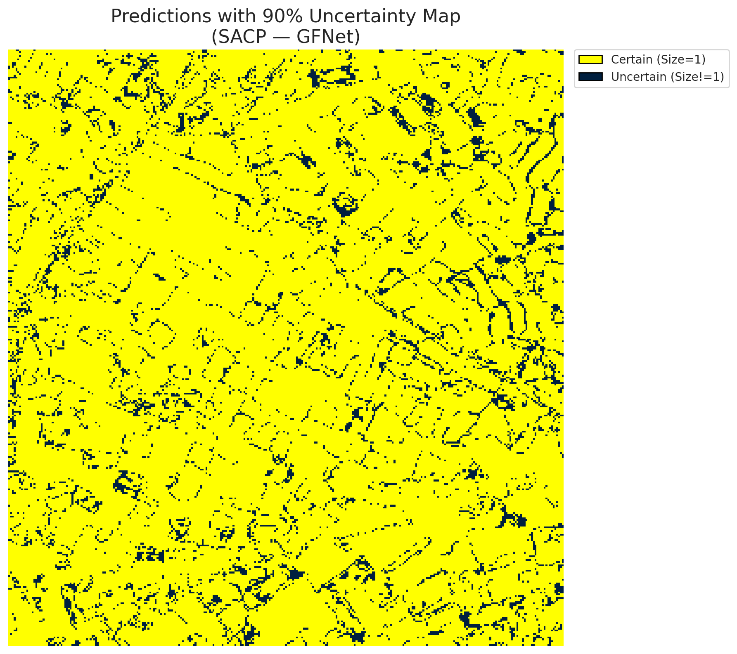
5 | Class 5 | 5558
6 | Class 6 | 1867
7 | Uncertain | 9973

SACP Parameters
q_hat | alpha | lambda | k | avg_set_size_eval
0.84737194965 | 0.05 | 0.5 | 1 | 1.0013921114

 |  |  |  |  |  |  |  |  | Class Map with Uncertain Mask
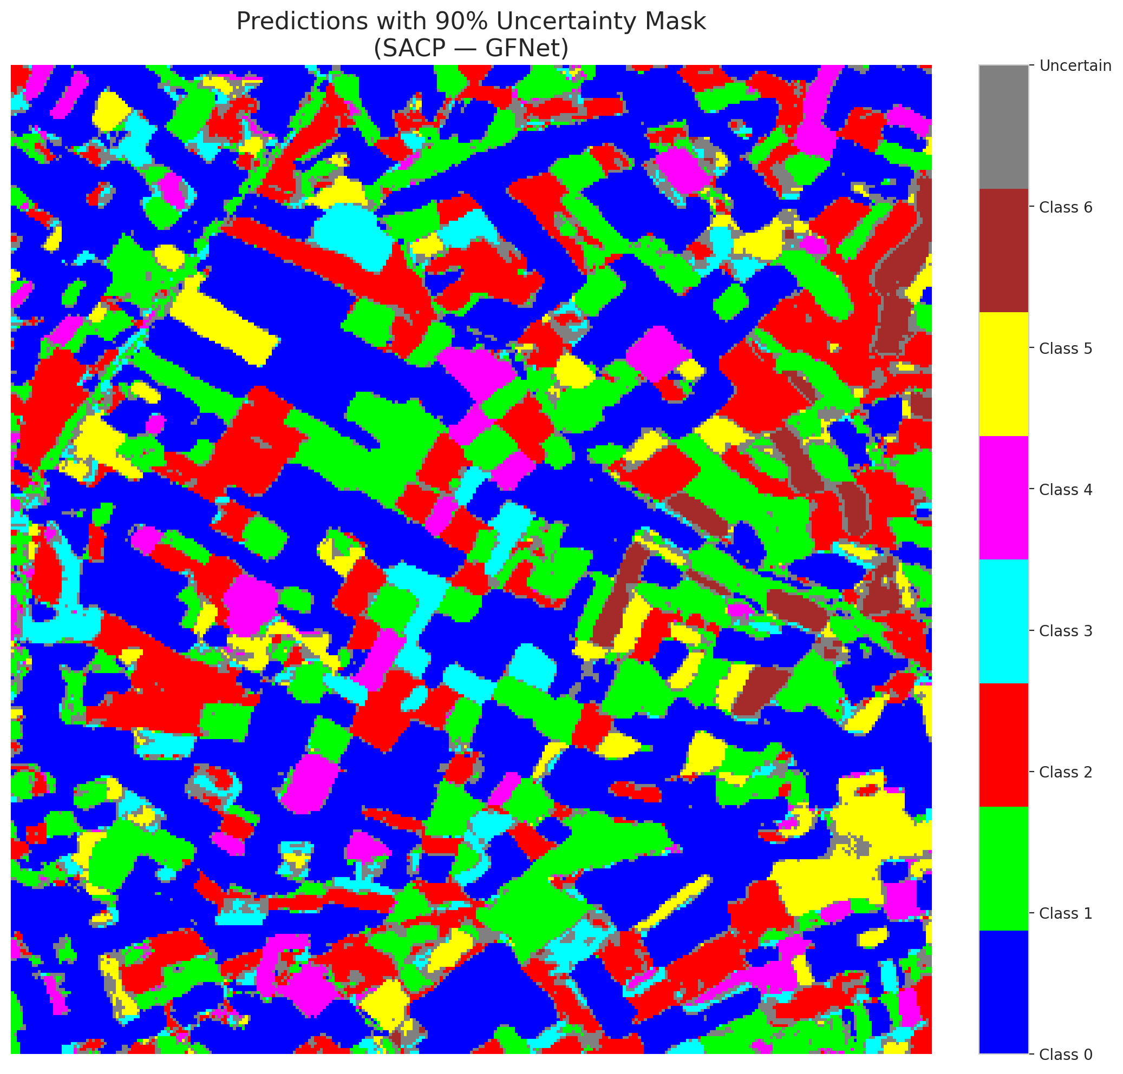

 |  |  |  |  |  |  |  |  | Pixel Counts

SACP_ViT
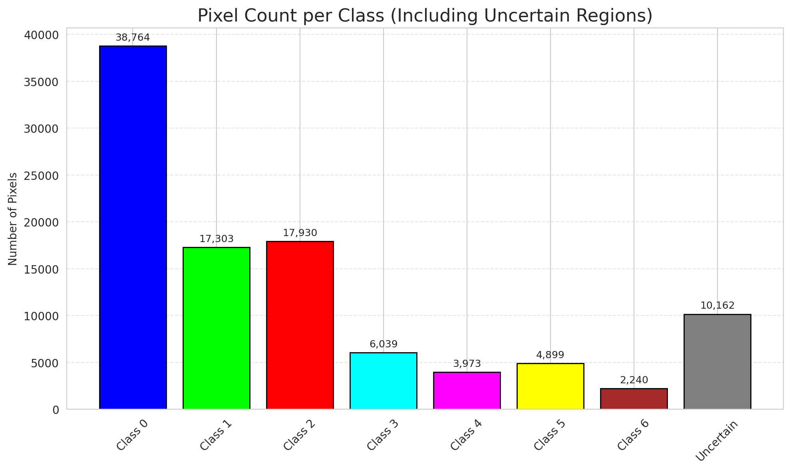
SACP - ViT |  |  |  |  |  |  |  |  | Per-Class Coverage

Summary
model_name | method | target_coverage | empirical_coverage | avg_set_size | median_set_size | singleton_rate | empty_set_rate | runtime_sec | alpha | lambda | k | q_hat | mean_per_class_coverage
ViT | SACP | 0.95 | 0.99767981439 | 1.0055684455 | 1 | 0.99443155452 | 0 | 2763.3410435 | 0.05 | 0.5 | 1 | 0.8223831493 | 0.99748528407

Per-Class Coverage Values
class_id | class_coverage | support_count
0 | 0.9989059081 | 914
1 | 0.99339207048 | 454
2 | 1 | 358
3 | 1 | 156
4 | 1 | 104
5 | 0.9900990099 | 101
6 | 1 | 68

Pixel Counts
class_id | label | pixel_count
0 | Class 0 | 38764
1 | Class 1 | 17303
2 | Class 2 | 17930
3 | Class 3 | 6039
4 | Class 4 | 3973 |  |  |  |  |  |  | Certain vs Uncertain Map
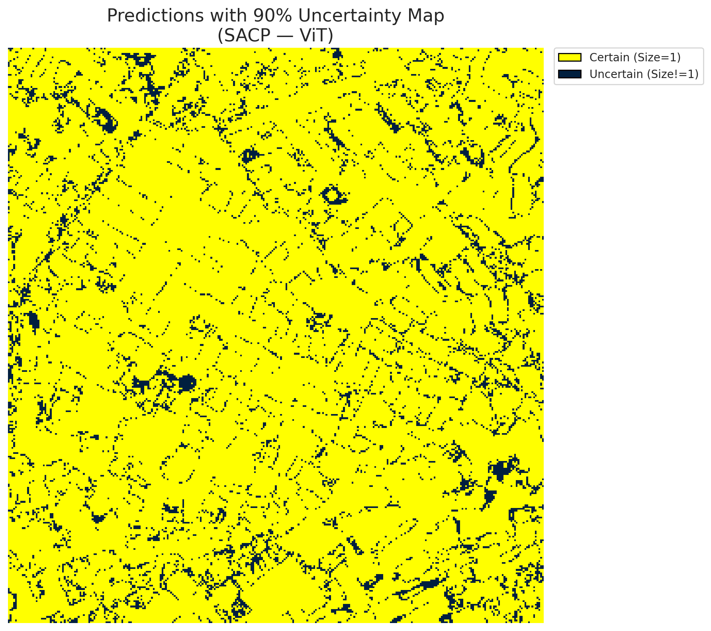
5 | Class 5 | 4899
6 | Class 6 | 2240
7 | Uncertain | 10162

SACP Parameters
q_hat | alpha | lambda | k | avg_set_size_eval
0.8223831493 | 0.05 | 0.5 | 1 | 1.0055684455

 |  |  |  |  |  |  |  |  | Class Map with Uncertain Mask
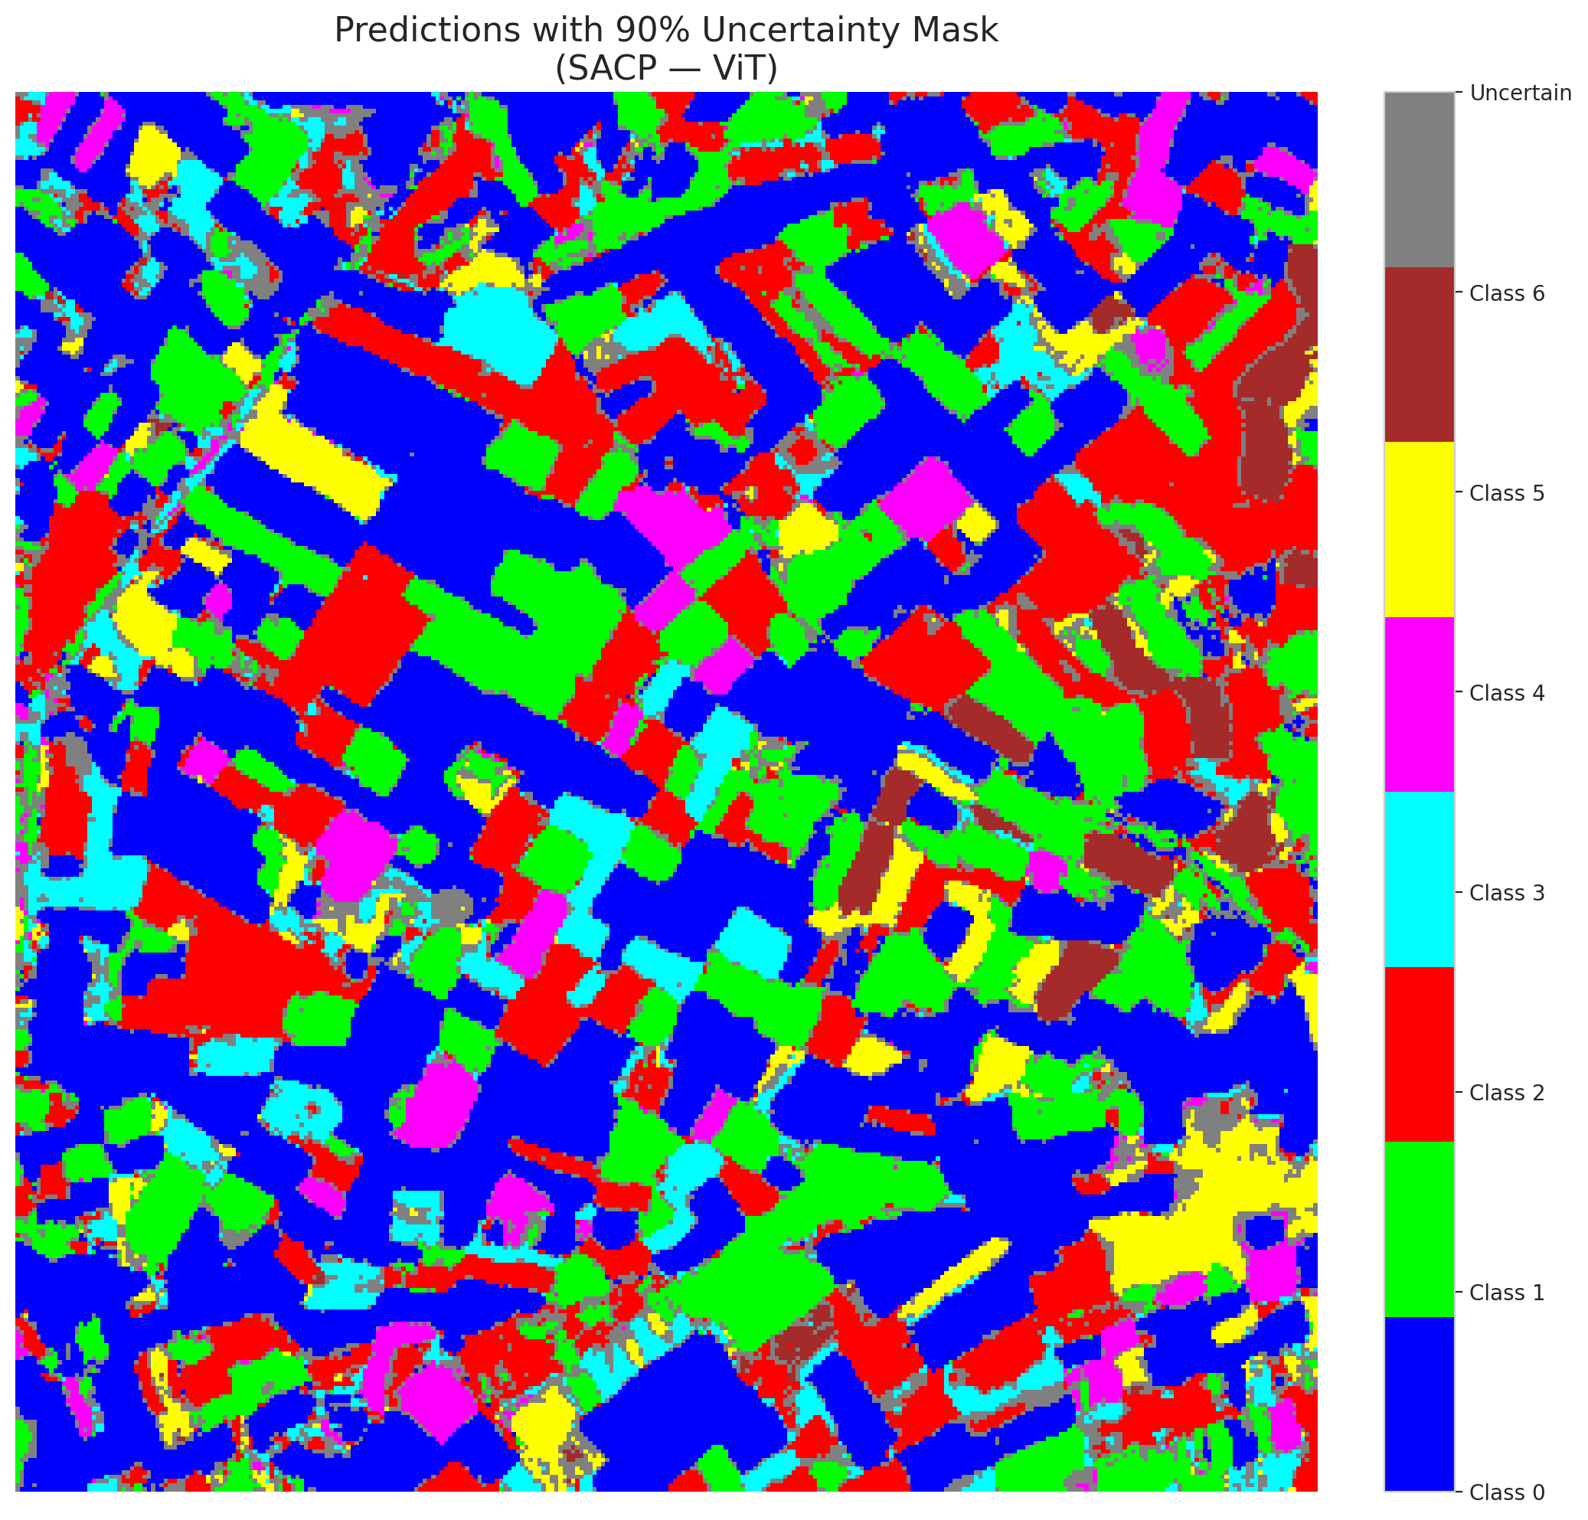

 |  |  |  |  |  |  |  |  | Pixel Counts

