SACP_AlexNet
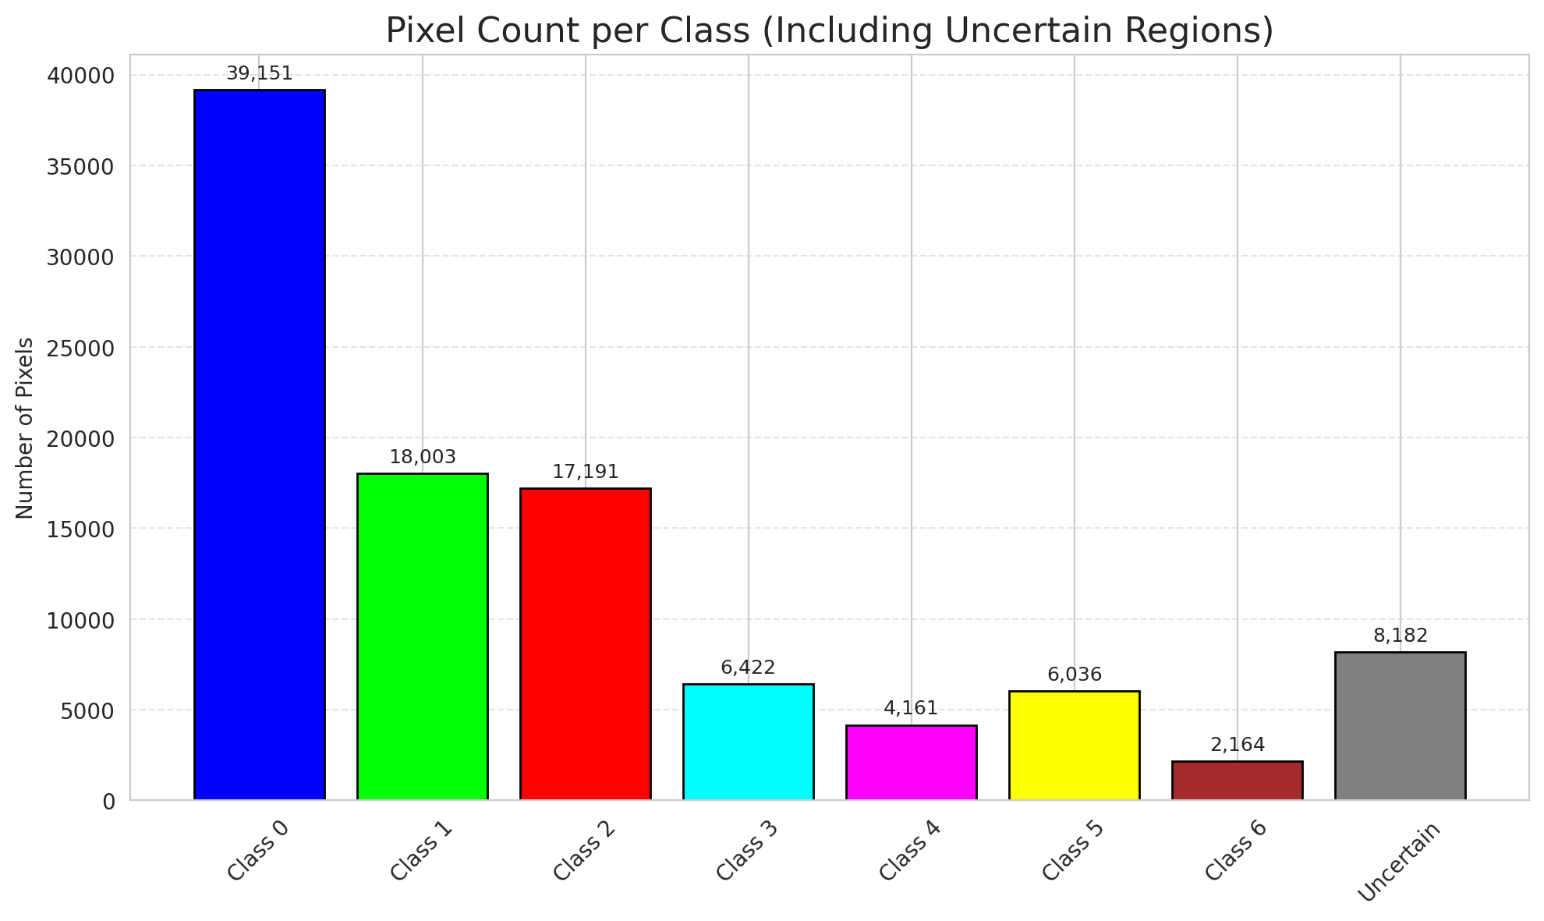
SACP - AlexNet |  |  |  |  |  |  |  |  | Per-Class Coverage
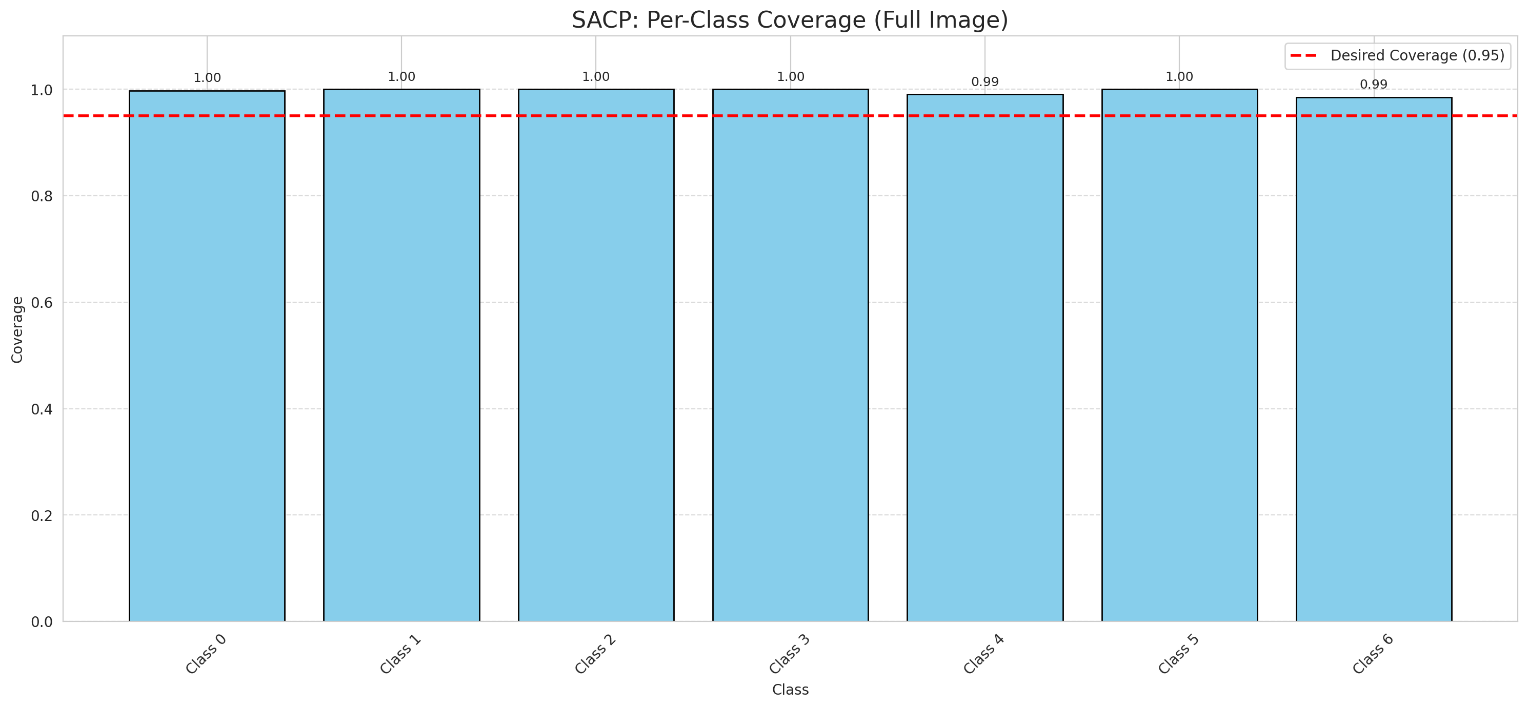
Summary
model_name | method | target_coverage | empirical_coverage | avg_set_size | median_set_size | singleton_rate | empty_set_rate | runtime_sec | alpha | lambda | k | q_hat | mean_per_class_coverage
AlexNet | SACP | 0.95 | 0.99814385151 | 1.0004640371 | 1 | 0.99953596288 | 0 | 60.741599019 | 0.05 | 0.5 | 1 | 0.76805509109 | 0.9962129356

Per-Class Coverage Values
class_id | class_coverage | support_count
0 | 0.99781181619 | 914
1 | 1 | 454
2 | 1 | 358
3 | 1 | 156
4 | 0.99038461538 | 104
5 | 1 | 101
6 | 0.98529411765 | 68

Pixel Counts
class_id | label | pixel_count
0 | Class 0 | 39151
1 | Class 1 | 18003
2 | Class 2 | 17191
3 | Class 3 | 6422
4 | Class 4 | 4161 |  |  |  |  |  |  | Certain vs Uncertain Map
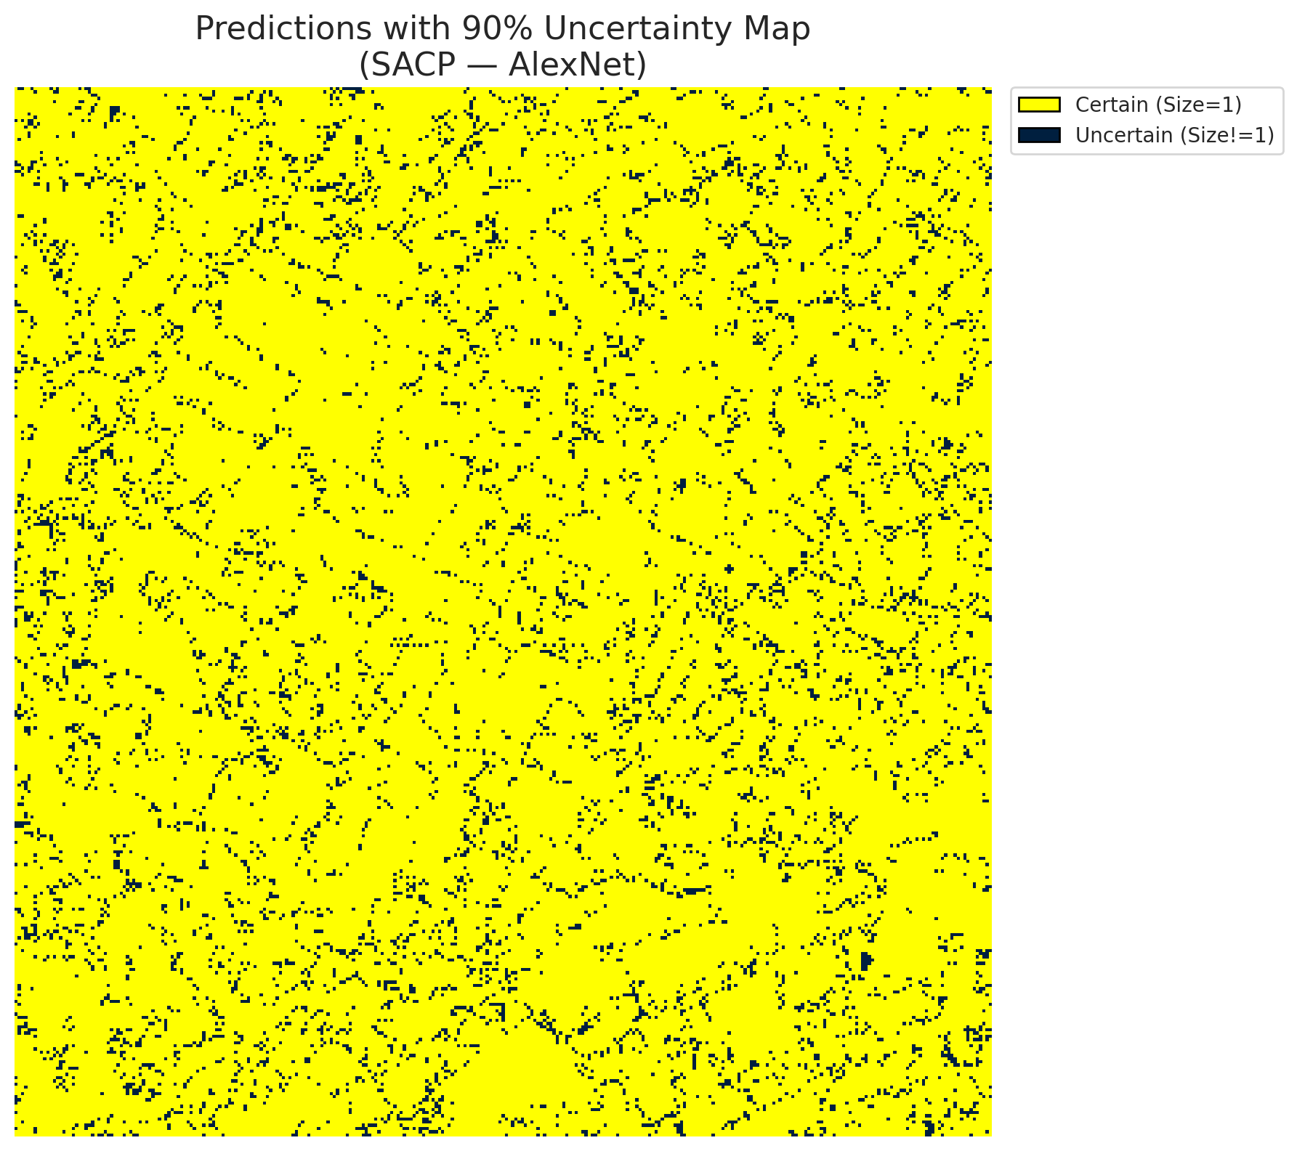
5 | Class 5 | 6036
6 | Class 6 | 2164
7 | Uncertain | 8182

SACP Parameters
q_hat | alpha | lambda | k | avg_set_size_eval
0.76805509109 | 0.05 | 0.5 | 1 | 1.0004640371

 |  |  |  |  |  |  |  |  | Class Map with Uncertain Mask
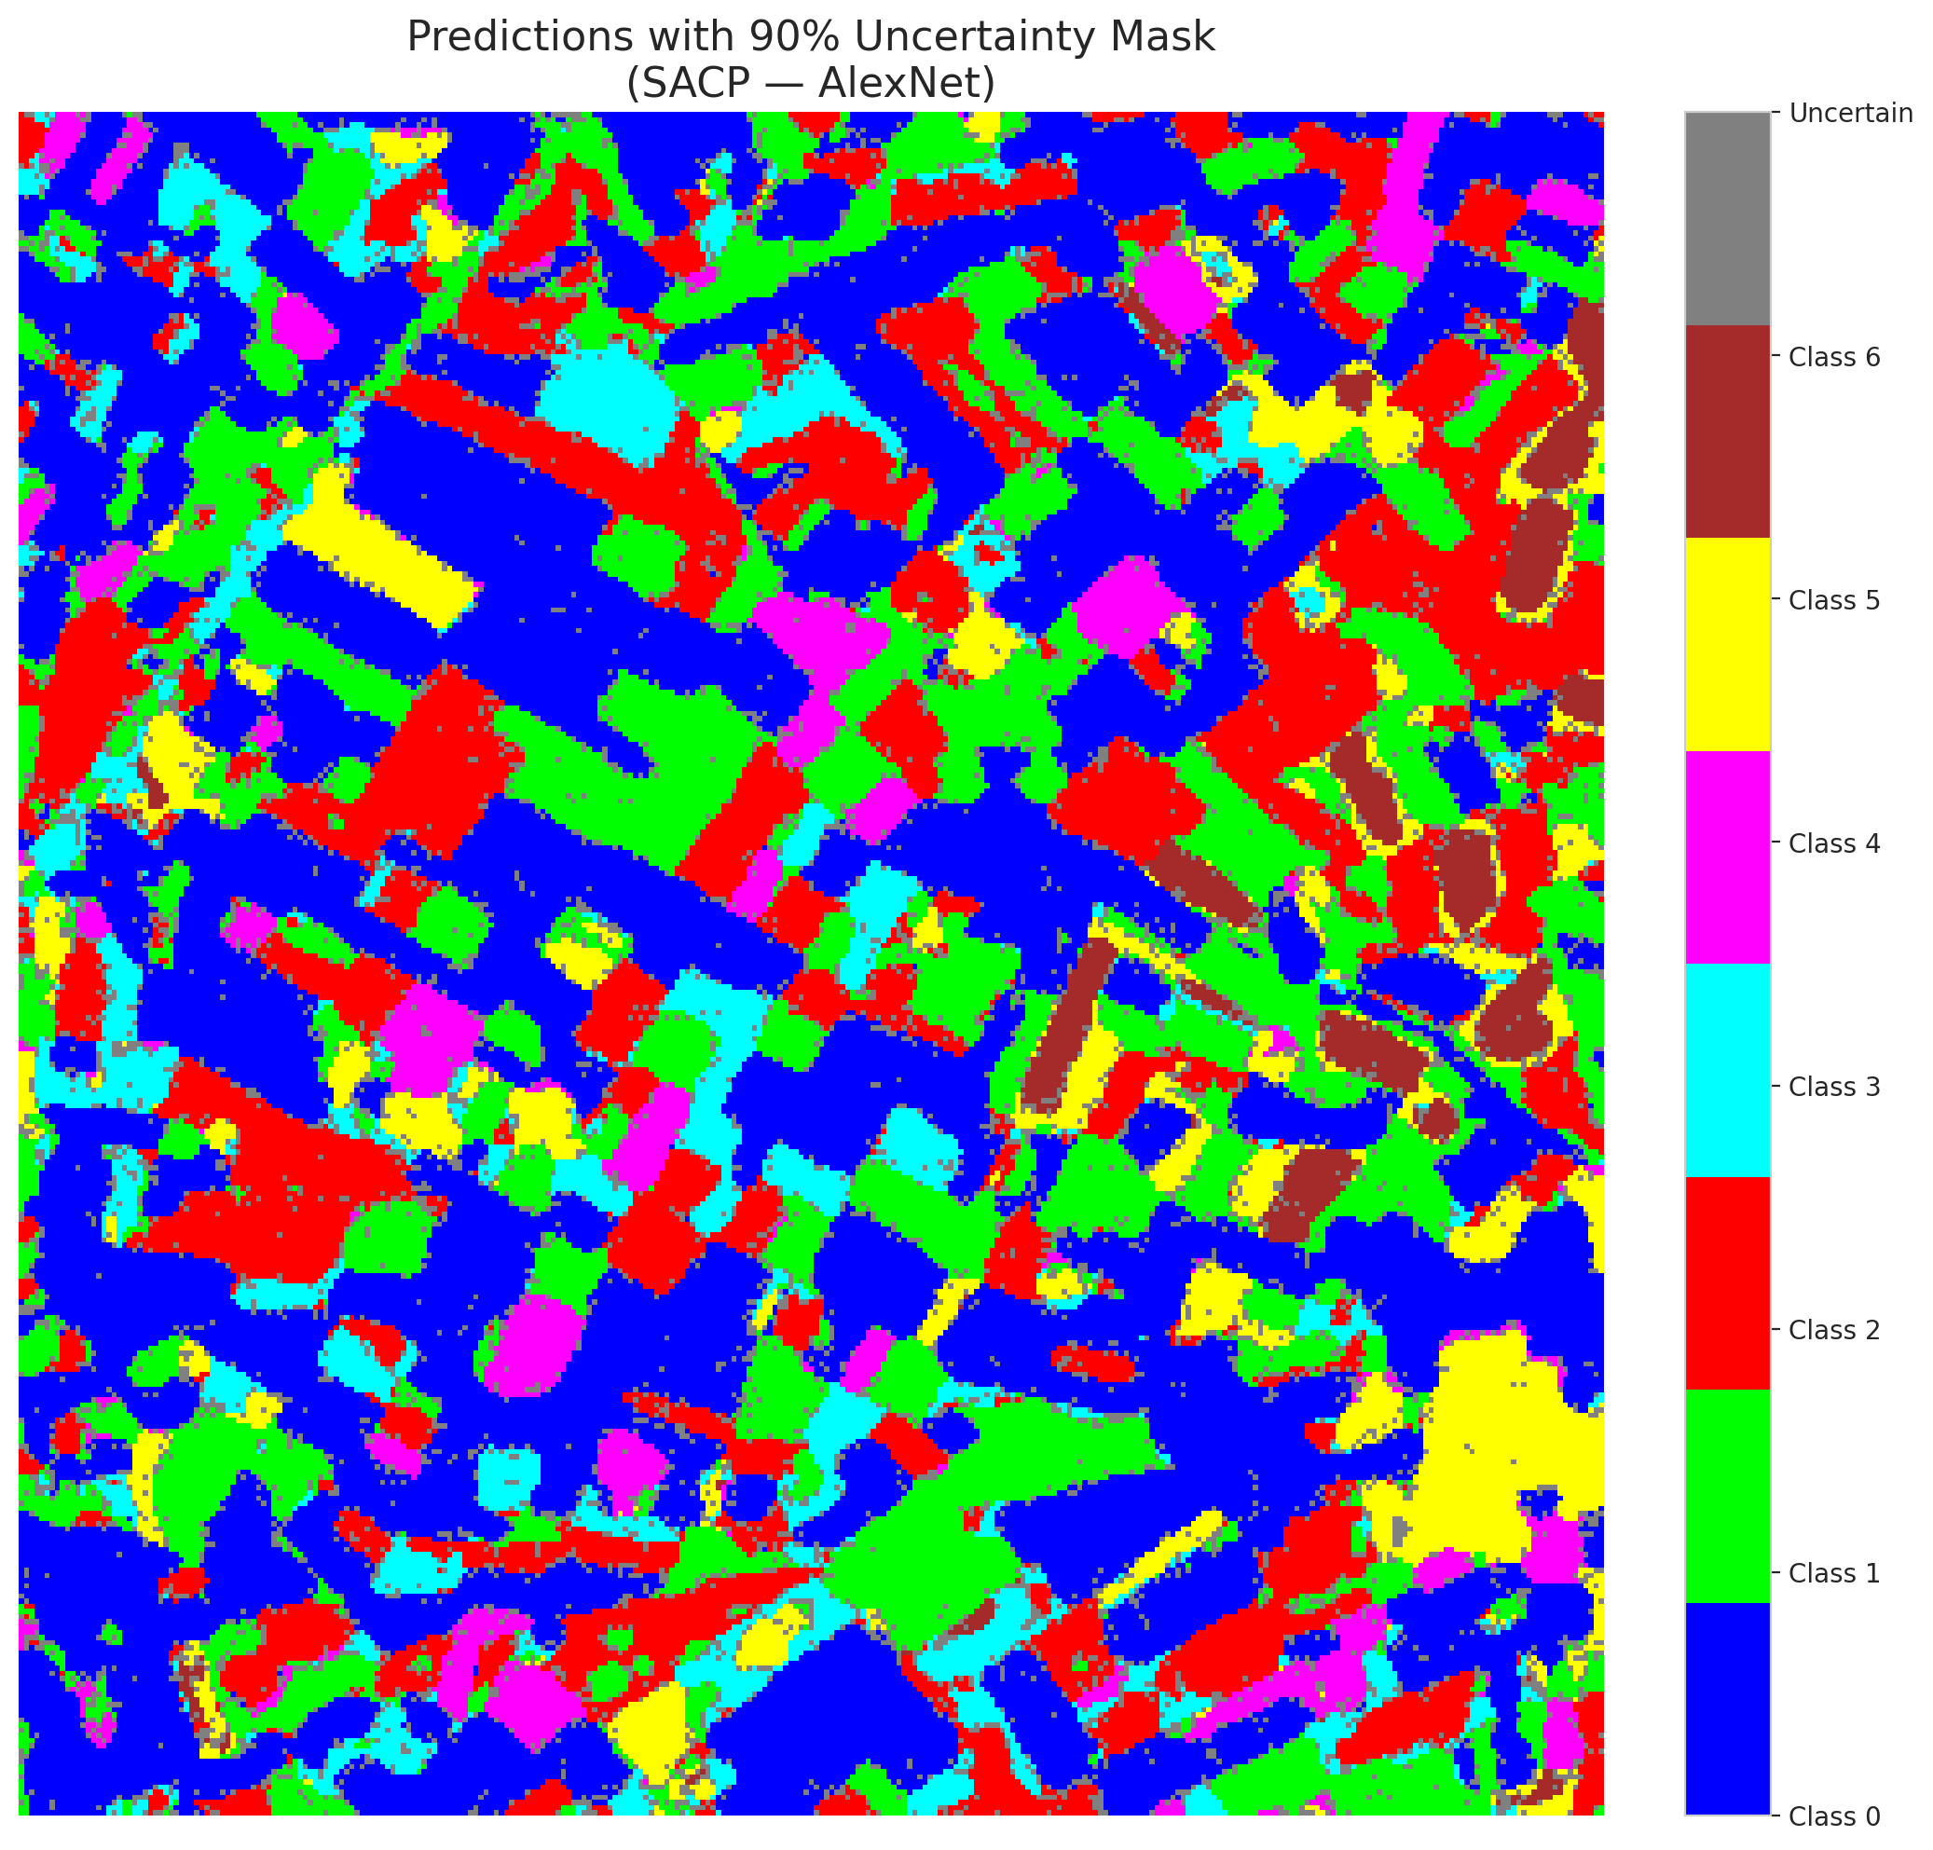

 |  |  |  |  |  |  |  |  | Pixel Counts

SACP_GFNet

SACP - GFNet |  |  |  |  |  |  |  |  | Per-Class Coverage
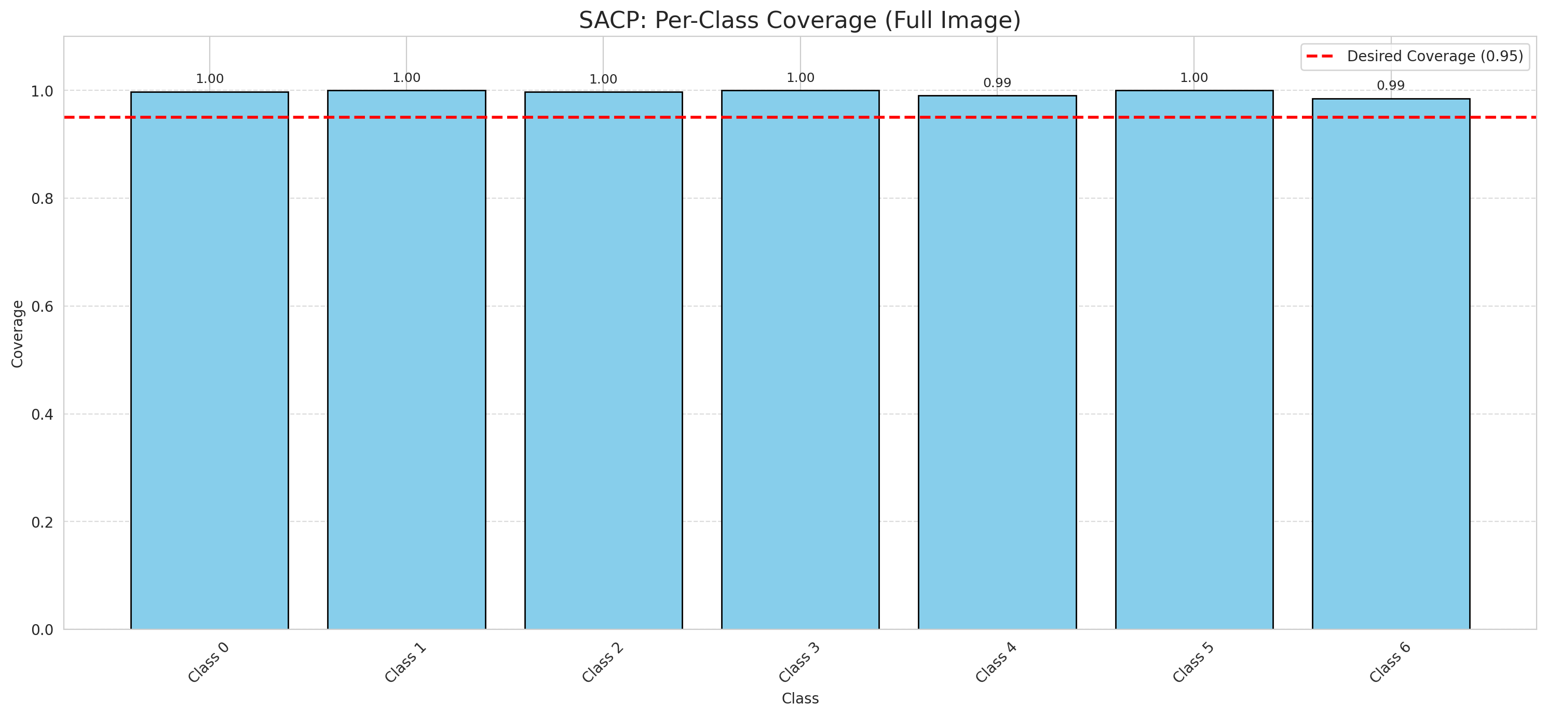
Summary
model_name | method | target_coverage | empirical_coverage | avg_set_size | median_set_size | singleton_rate | empty_set_rate | runtime_sec | alpha | lambda | k | q_hat | mean_per_class_coverage
GFNet | SACP | 0.95 | 0.99767981439 | 1.0004640371 | 1 | 0.99953596288 | 0 | 56.415596268 | 0.05 | 0.5 | 1 | 0.76692200938 | 0.9958138933

Per-Class Coverage Values
class_id | class_coverage | support_count
0 | 0.99781181619 | 914
1 | 1 | 454
2 | 0.99720670391 | 358
3 | 1 | 156
4 | 0.99038461538 | 104
5 | 1 | 101
6 | 0.98529411765 | 68

Pixel Counts
class_id | label | pixel_count
0 | Class 0 | 40524
1 | Class 1 | 17909
2 | Class 2 | 16957
3 | Class 3 | 5165
4 | Class 4 | 4125 |  |  |  |  |  |  | Certain vs Uncertain Map
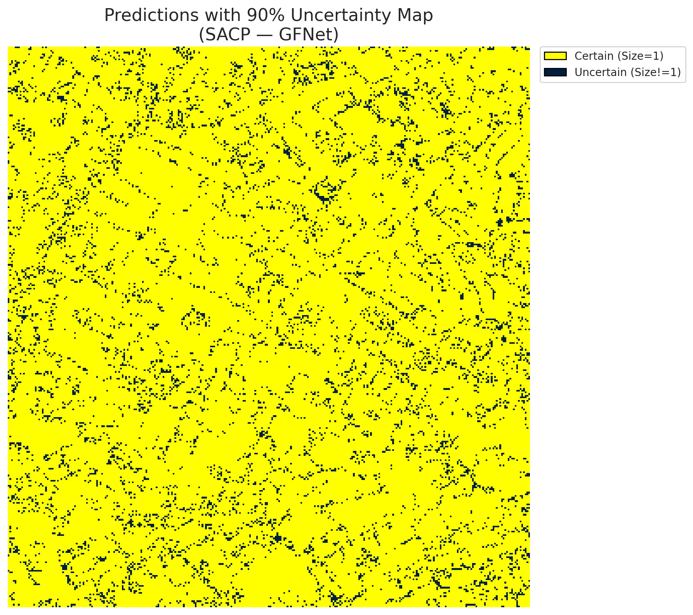
5 | Class 5 | 5957
6 | Class 6 | 2144
7 | Uncertain | 8529

SACP Parameters
q_hat | alpha | lambda | k | avg_set_size_eval
0.76692200938 | 0.05 | 0.5 | 1 | 1.0004640371

 |  |  |  |  |  |  |  |  | Class Map with Uncertain Mask
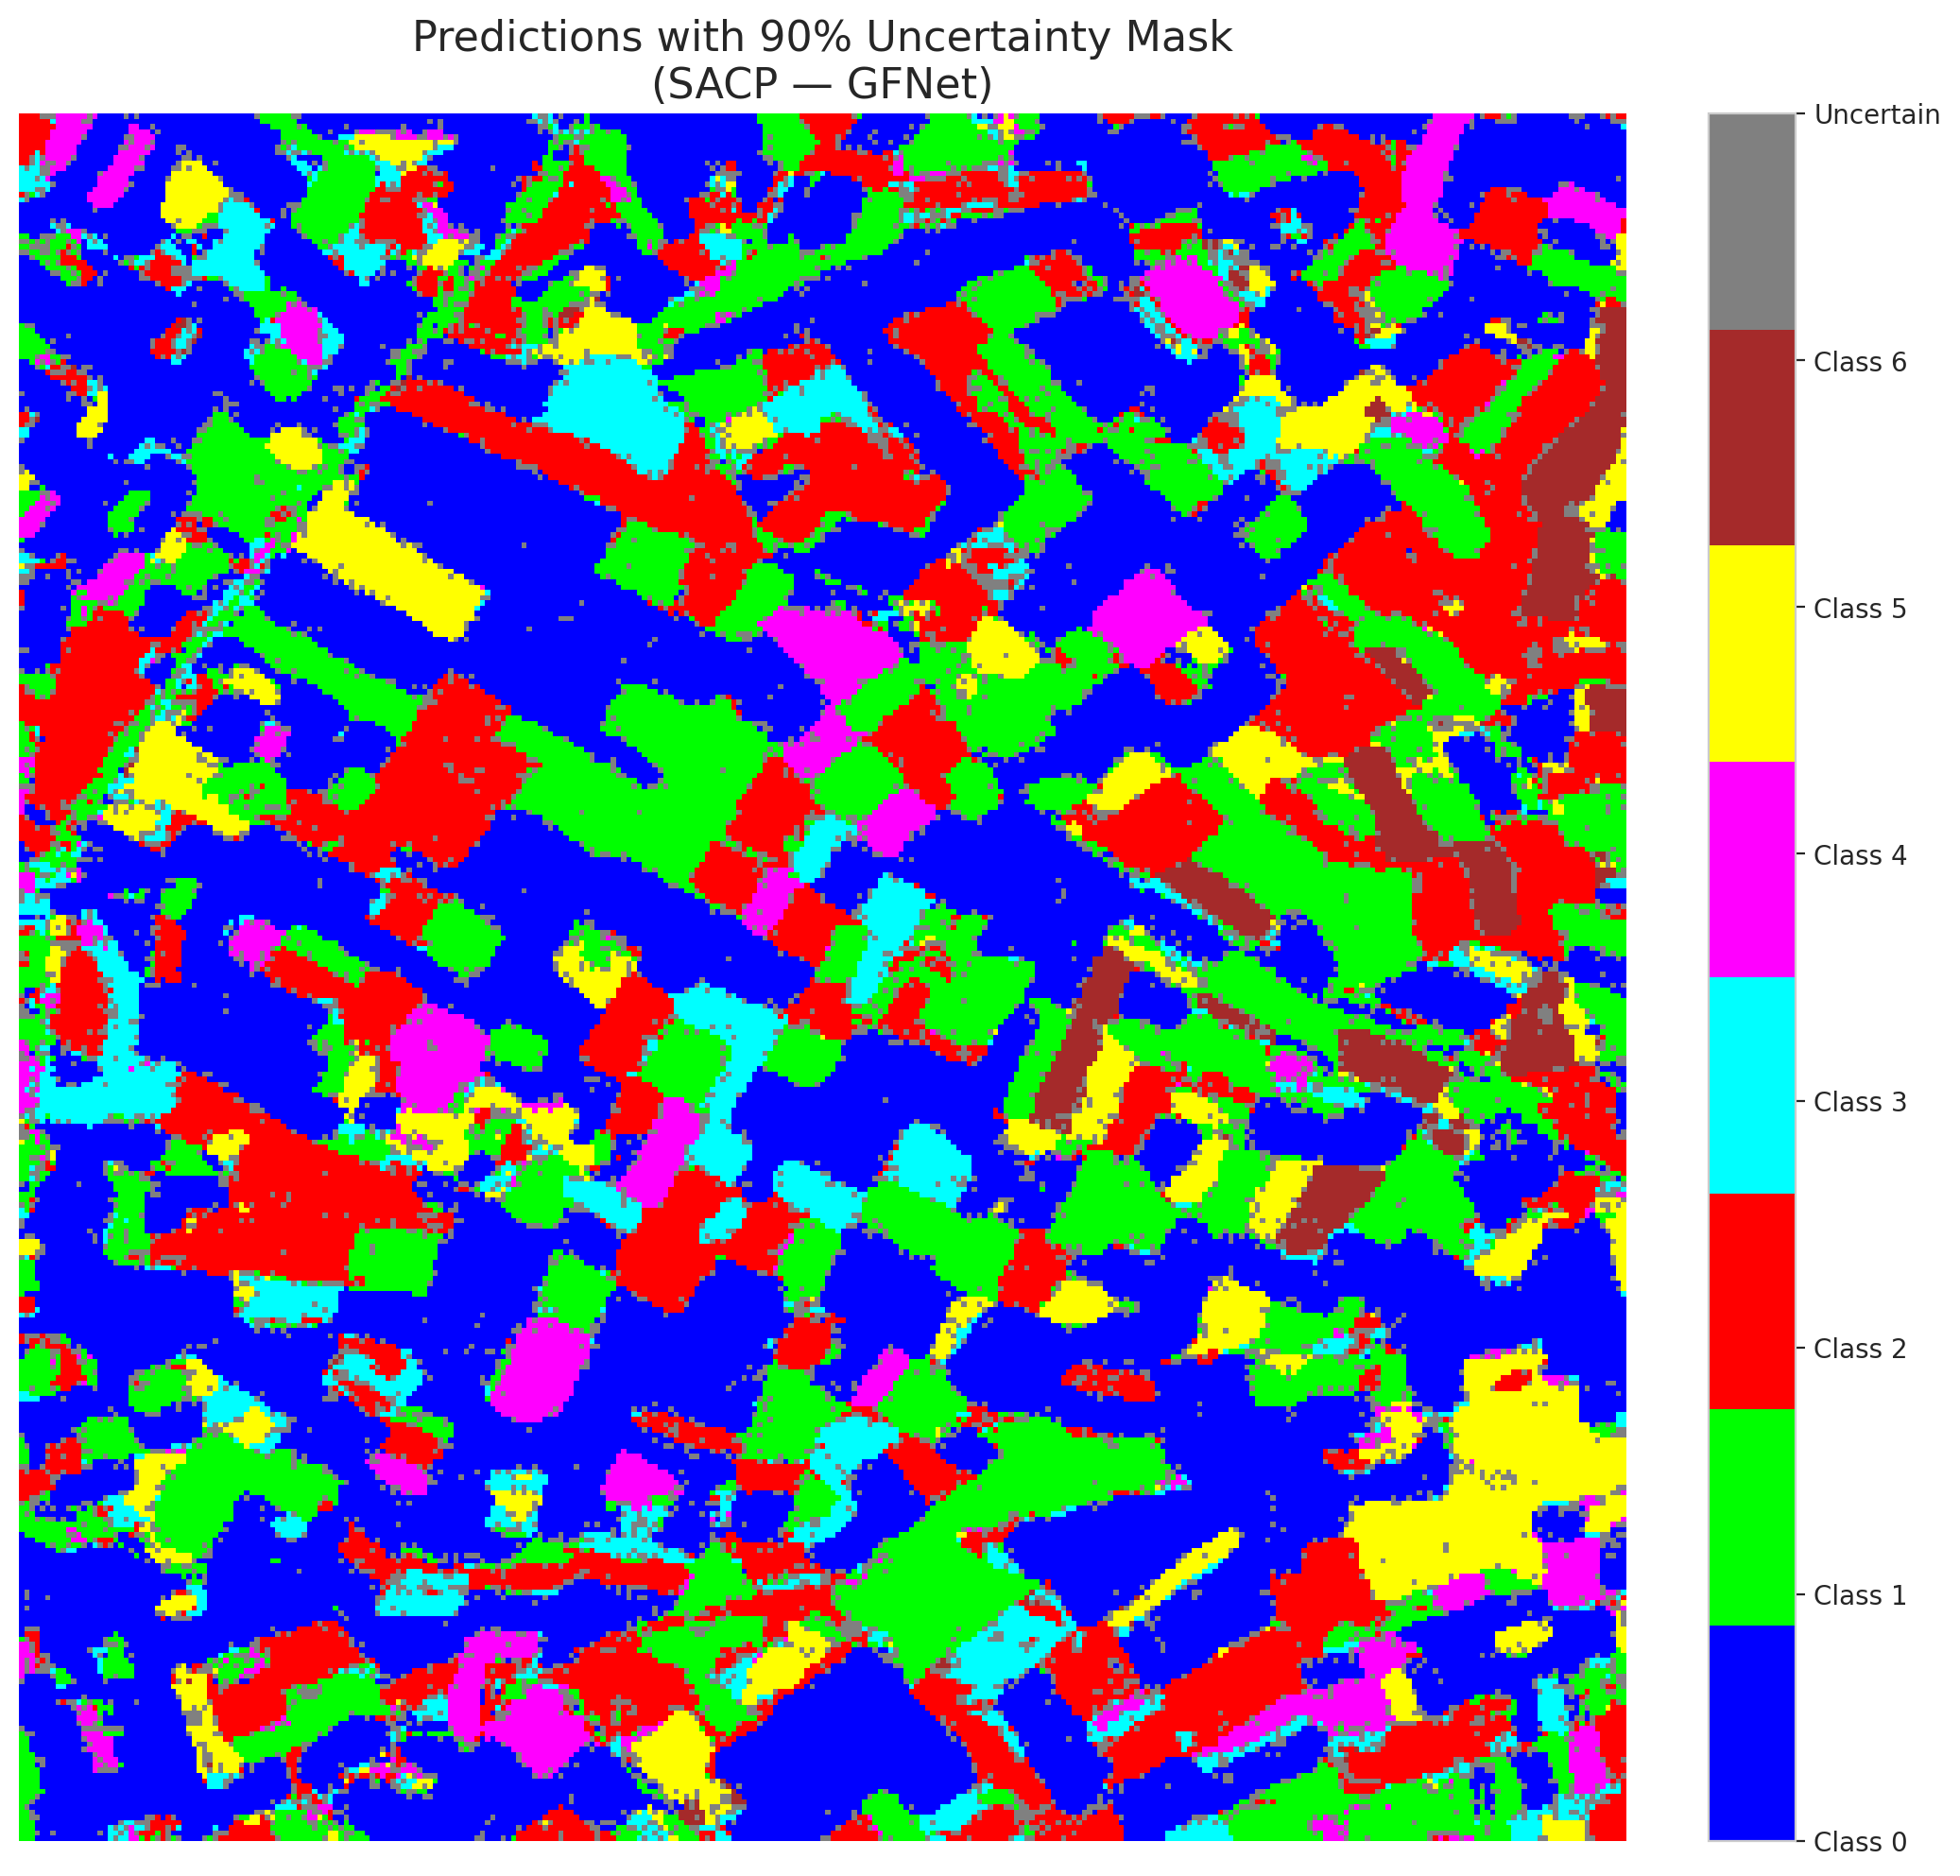

 |  |  |  |  |  |  |  |  | Pixel Counts

SACP_ViT
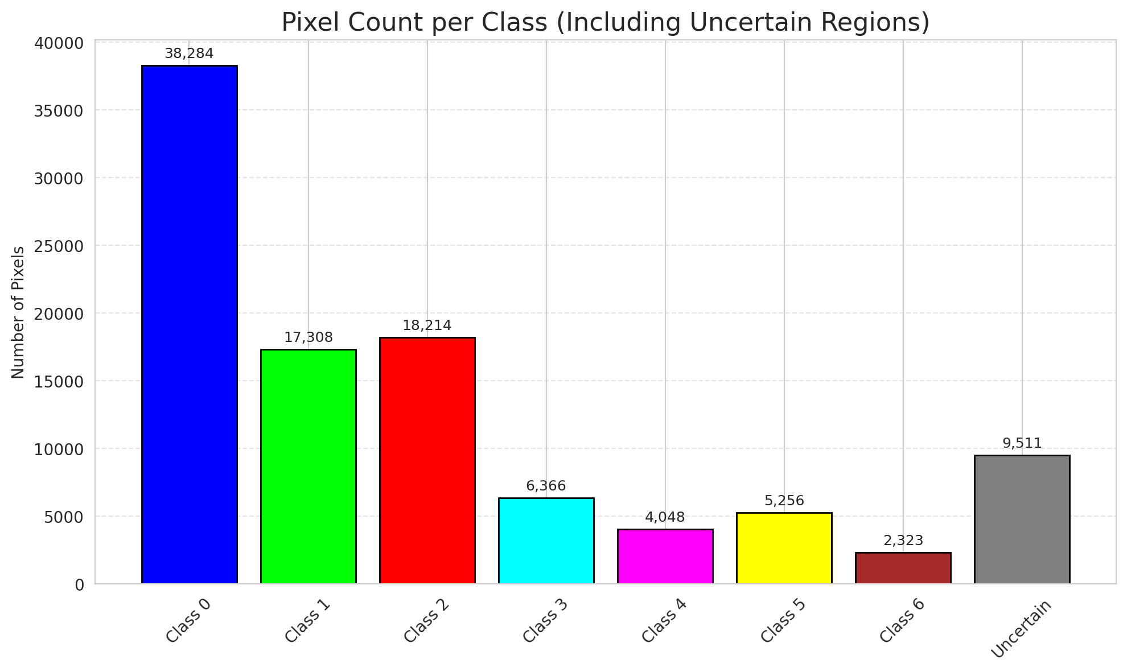
SACP - ViT |  |  |  |  |  |  |  |  | Per-Class Coverage
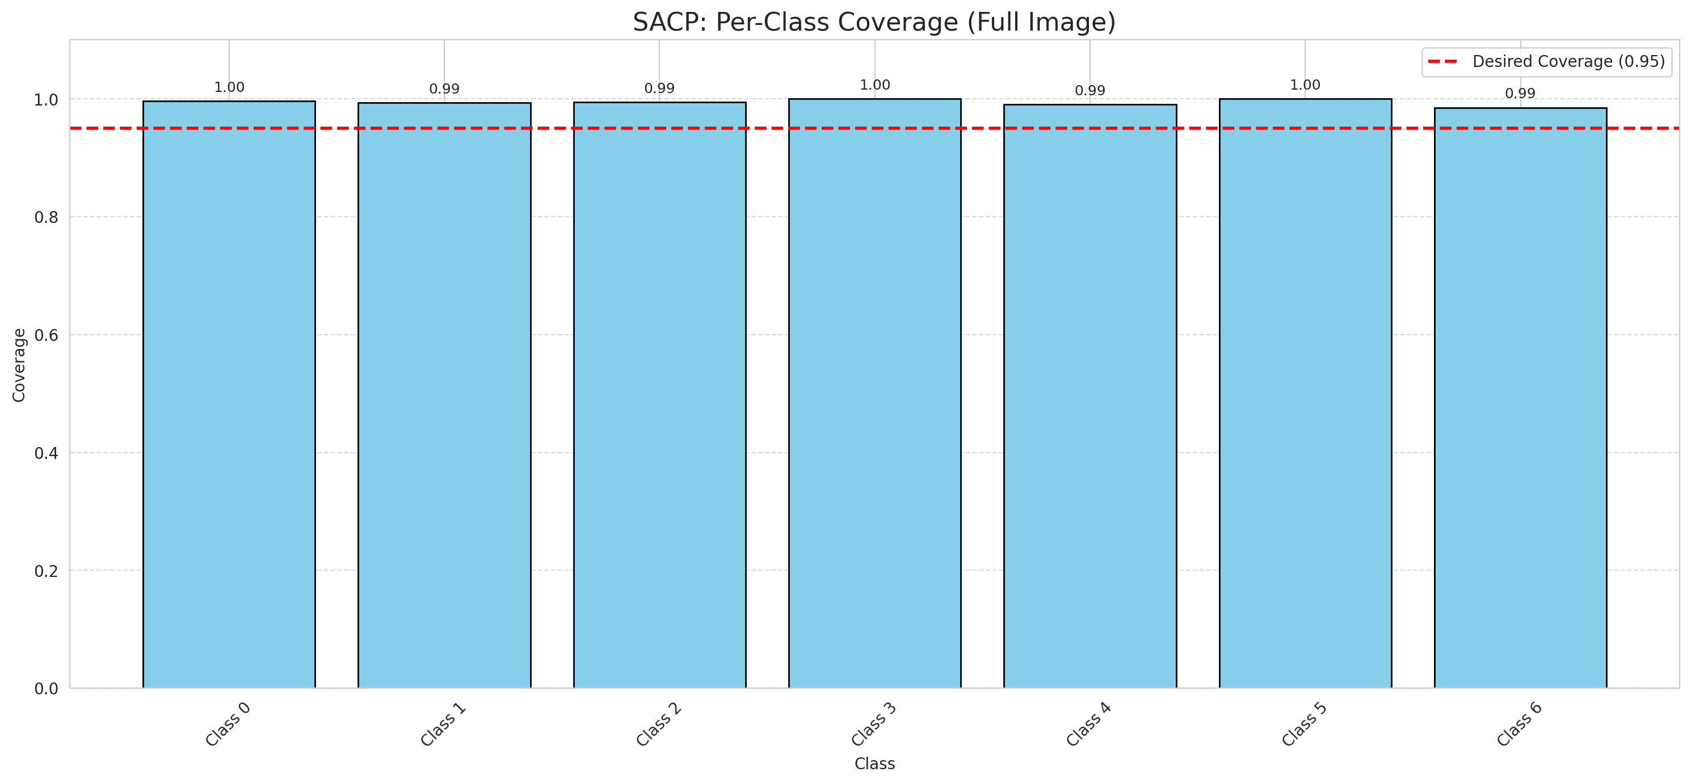
Summary
model_name | method | target_coverage | empirical_coverage | avg_set_size | median_set_size | singleton_rate | empty_set_rate | runtime_sec | alpha | lambda | k | q_hat | mean_per_class_coverage
ViT | SACP | 0.95 | 0.99535962877 | 1.003712297 | 1 | 0.99628770302 | 0 | 71.99007815 | 0.05 | 0.5 | 1 | 0.74446380409 | 0.99431456223

Per-Class Coverage Values
class_id | class_coverage | support_count
0 | 0.99671772429 | 914
1 | 0.99339207048 | 454
2 | 0.99441340782 | 358
3 | 1 | 156
4 | 0.99038461538 | 104
5 | 1 | 101
6 | 0.98529411765 | 68

Pixel Counts
class_id | label | pixel_count
0 | Class 0 | 38284
1 | Class 1 | 17308
2 | Class 2 | 18214
3 | Class 3 | 6366
4 | Class 4 | 4048 |  |  |  |  |  |  | Certain vs Uncertain Map
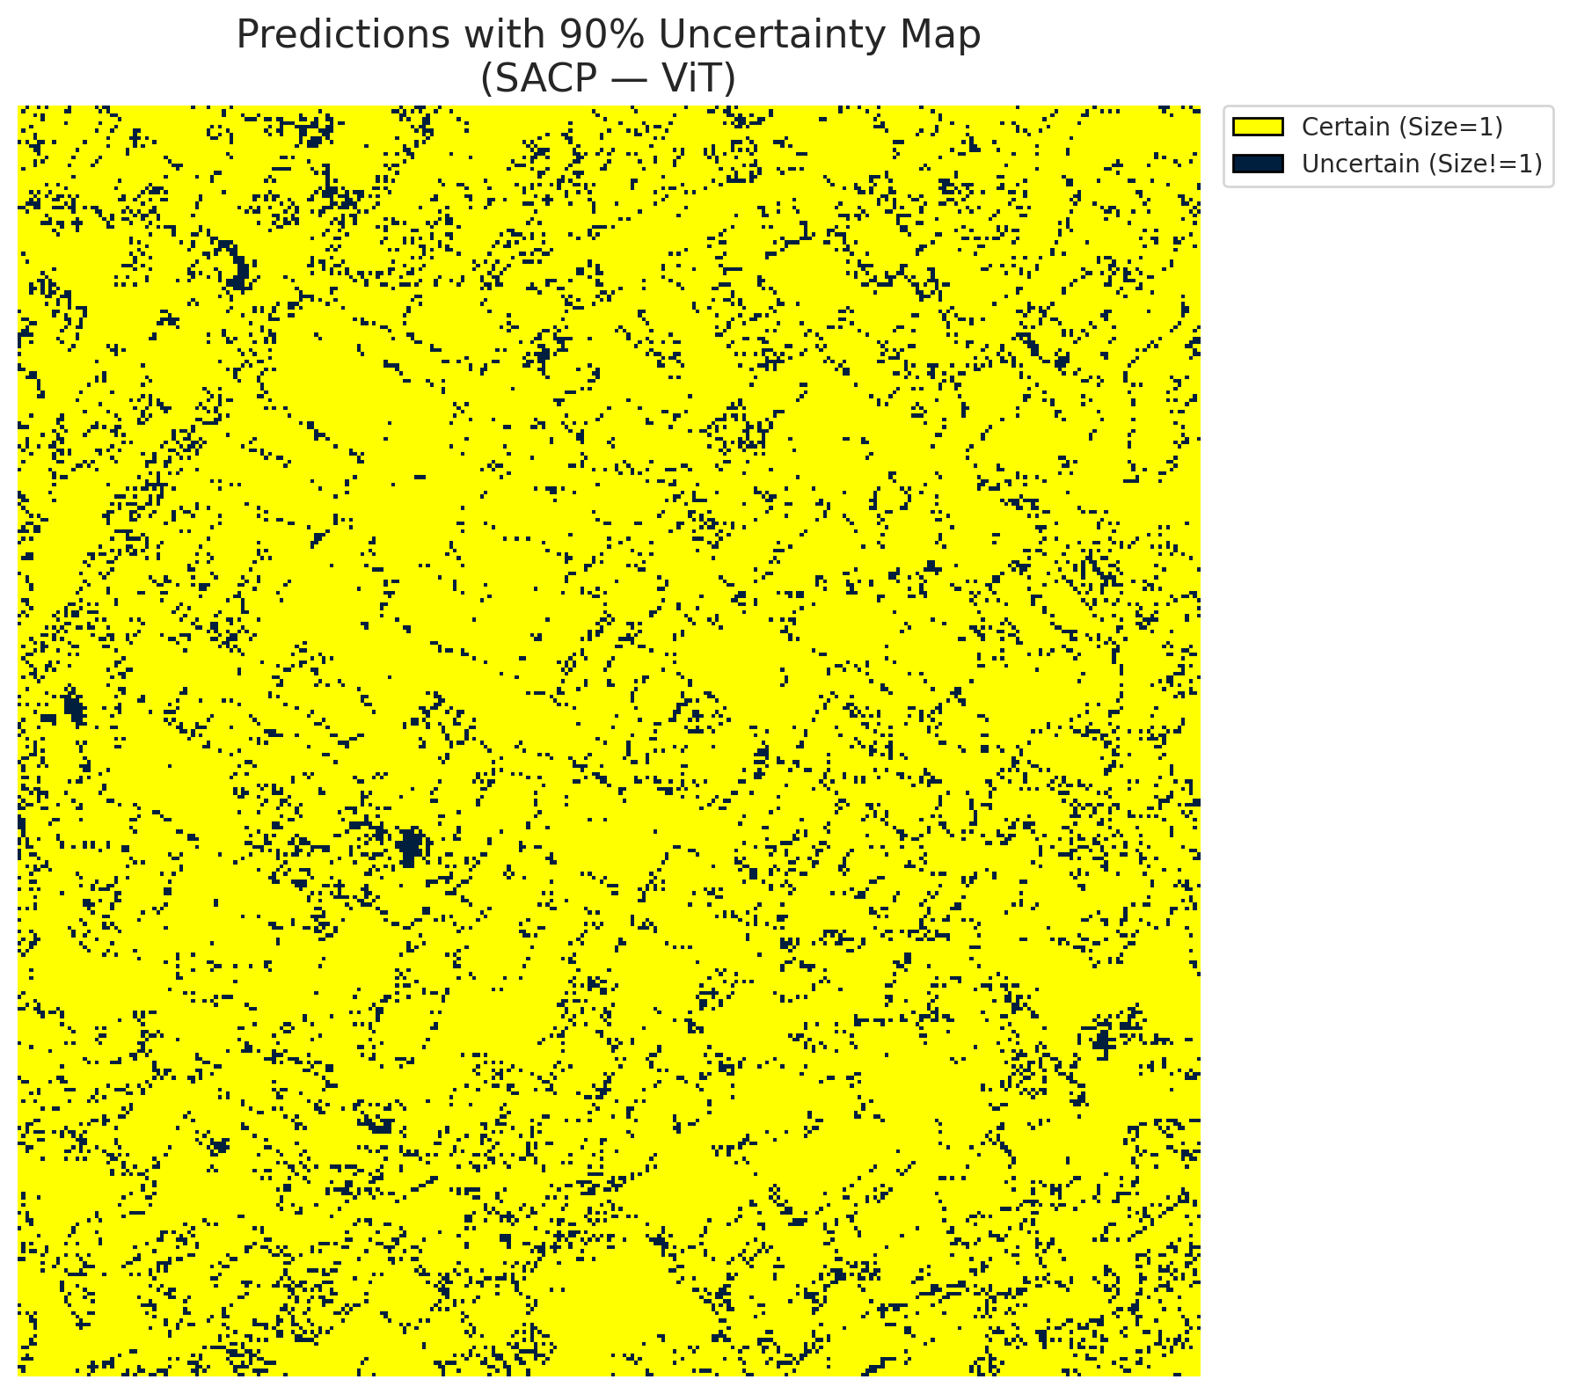
5 | Class 5 | 5256
6 | Class 6 | 2323
7 | Uncertain | 9511

SACP Parameters
q_hat | alpha | lambda | k | avg_set_size_eval
0.74446380409 | 0.05 | 0.5 | 1 | 1.003712297

 |  |  |  |  |  |  |  |  | Class Map with Uncertain Mask
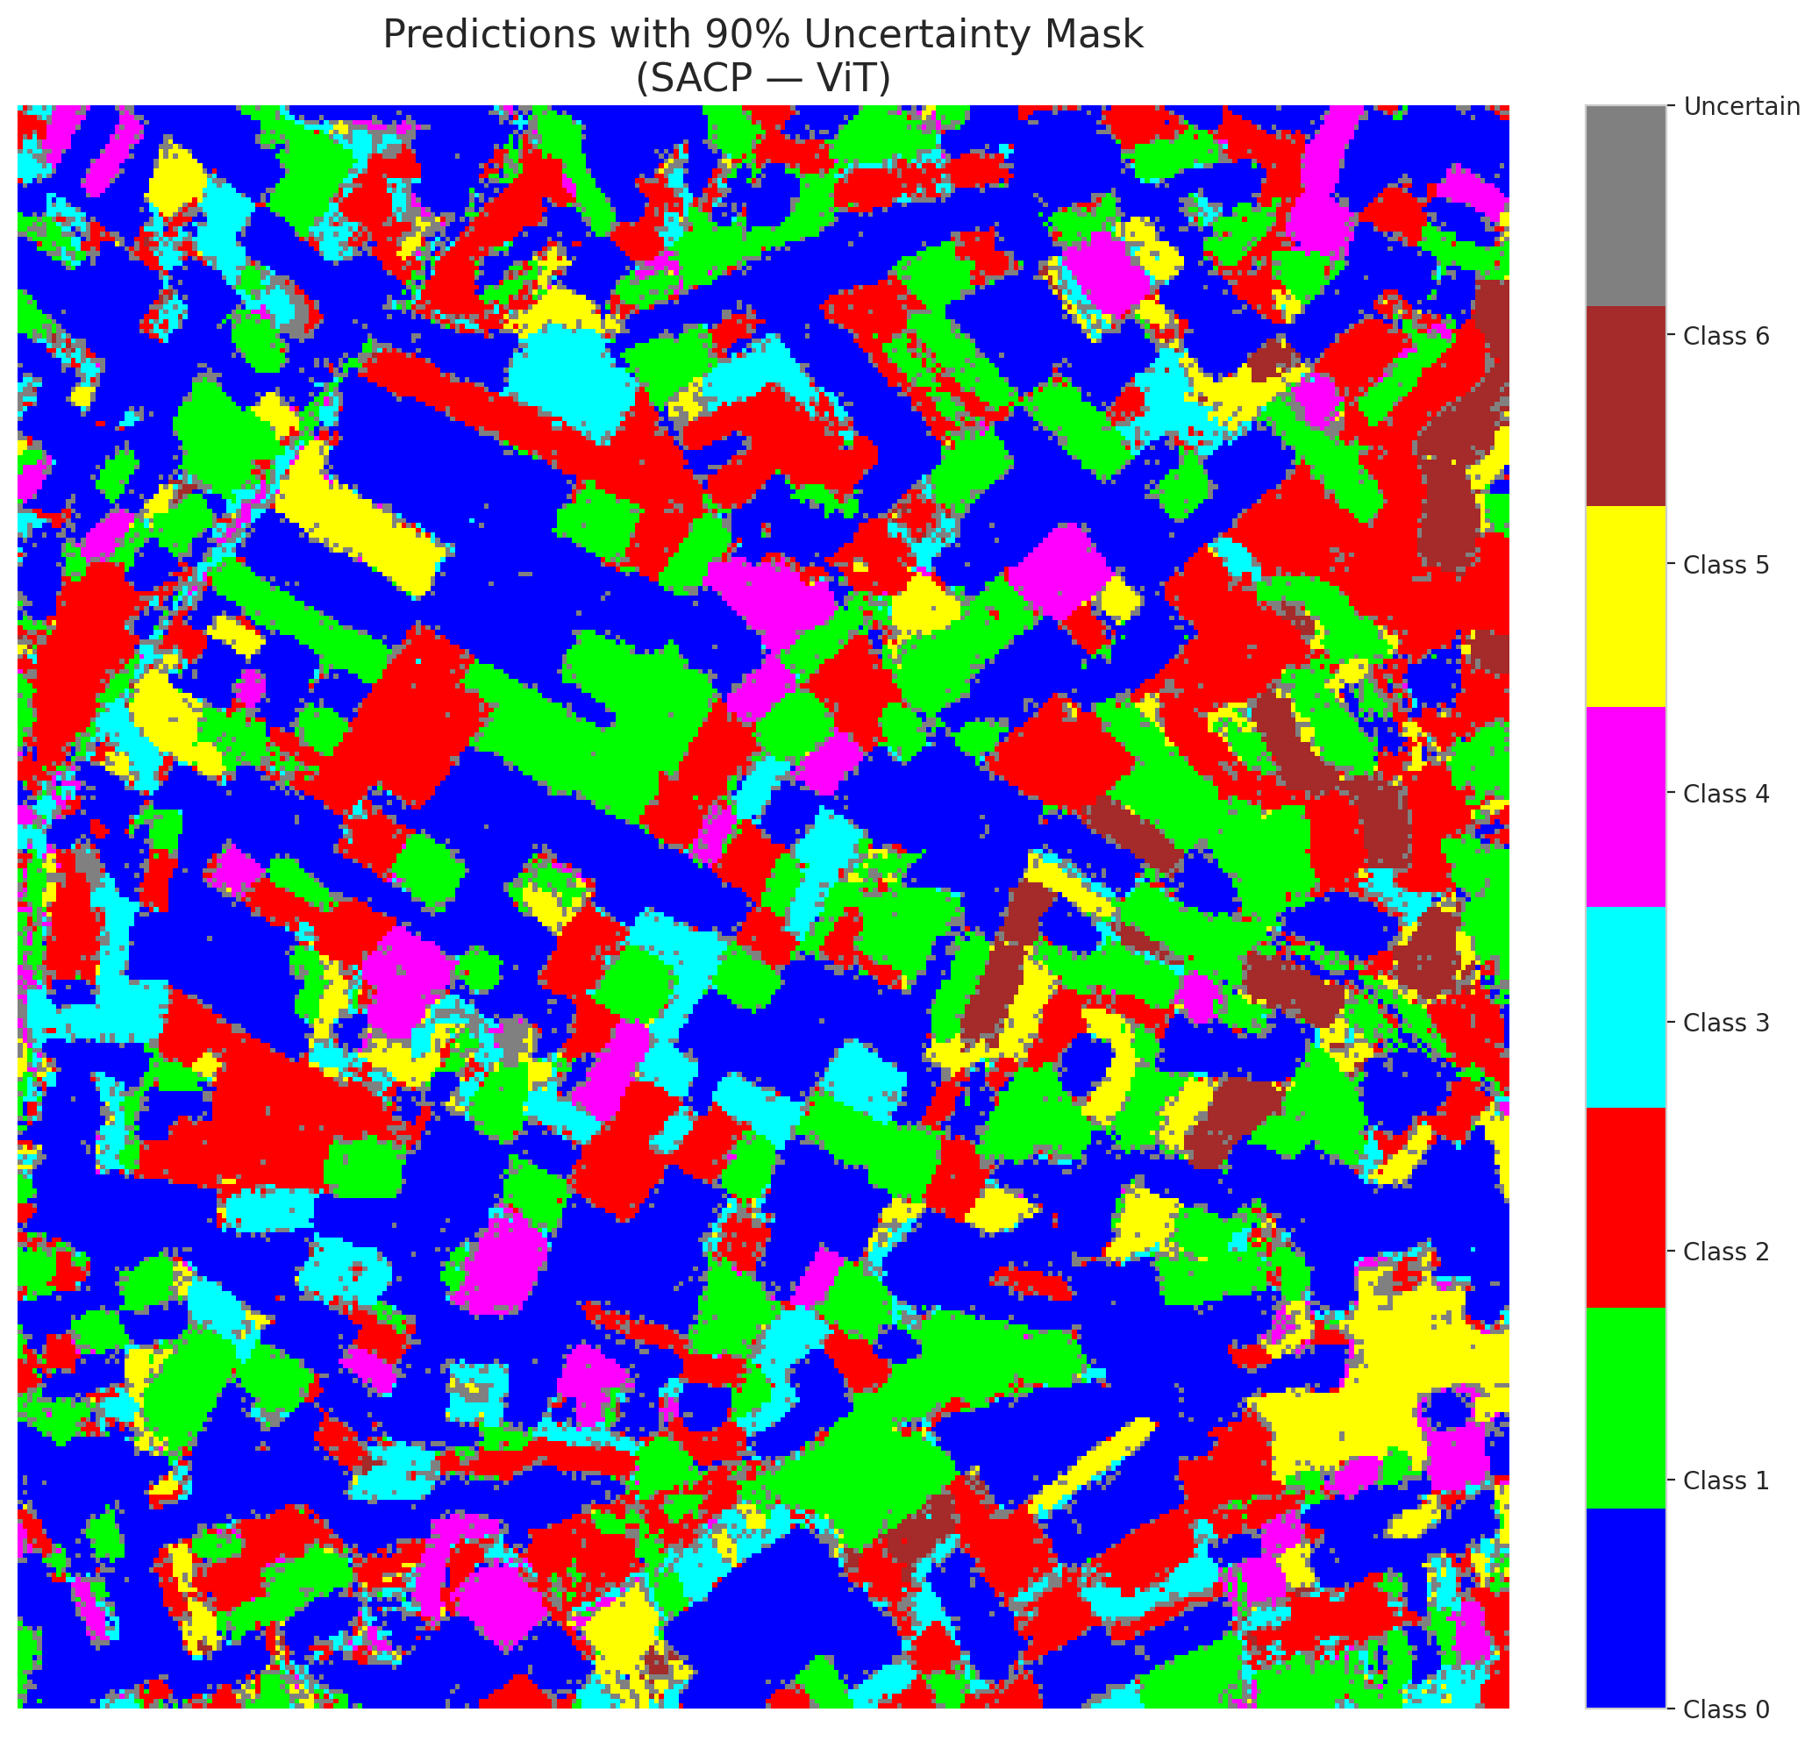

 |  |  |  |  |  |  |  |  | Pixel Counts

