SACP_AlexNet
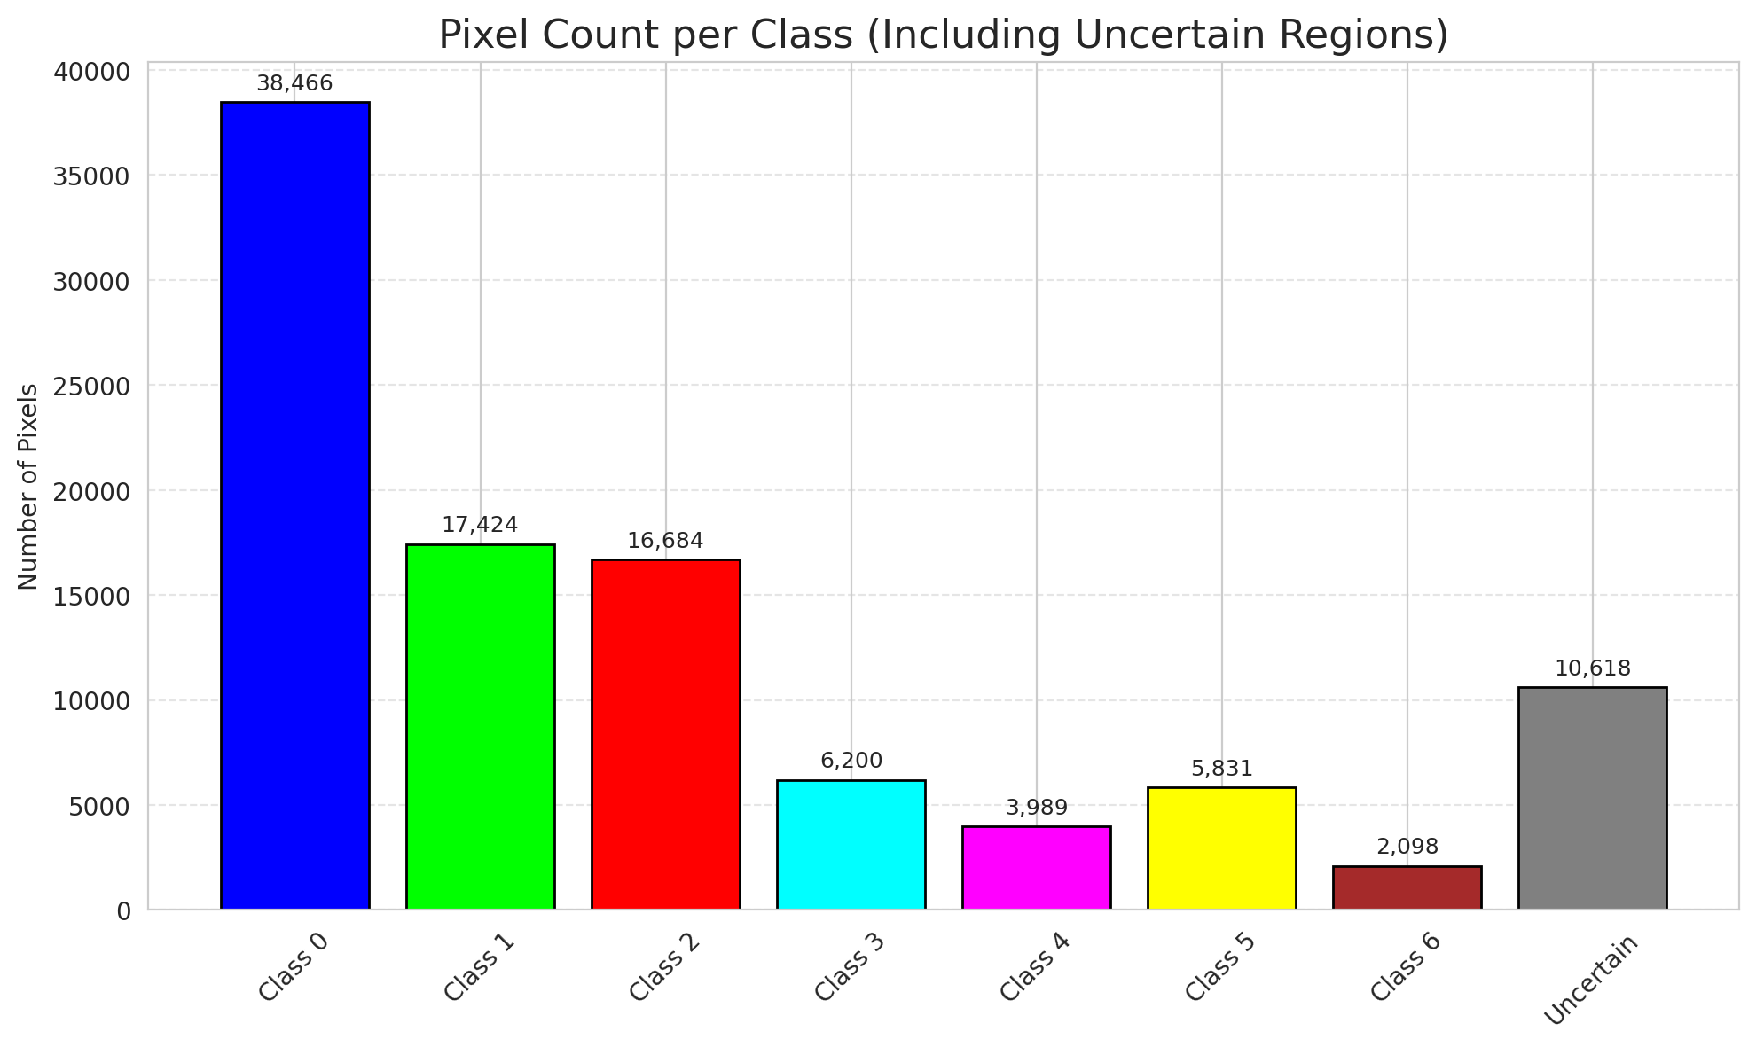
SACP - AlexNet |  |  |  |  |  |  |  |  | Per-Class Coverage
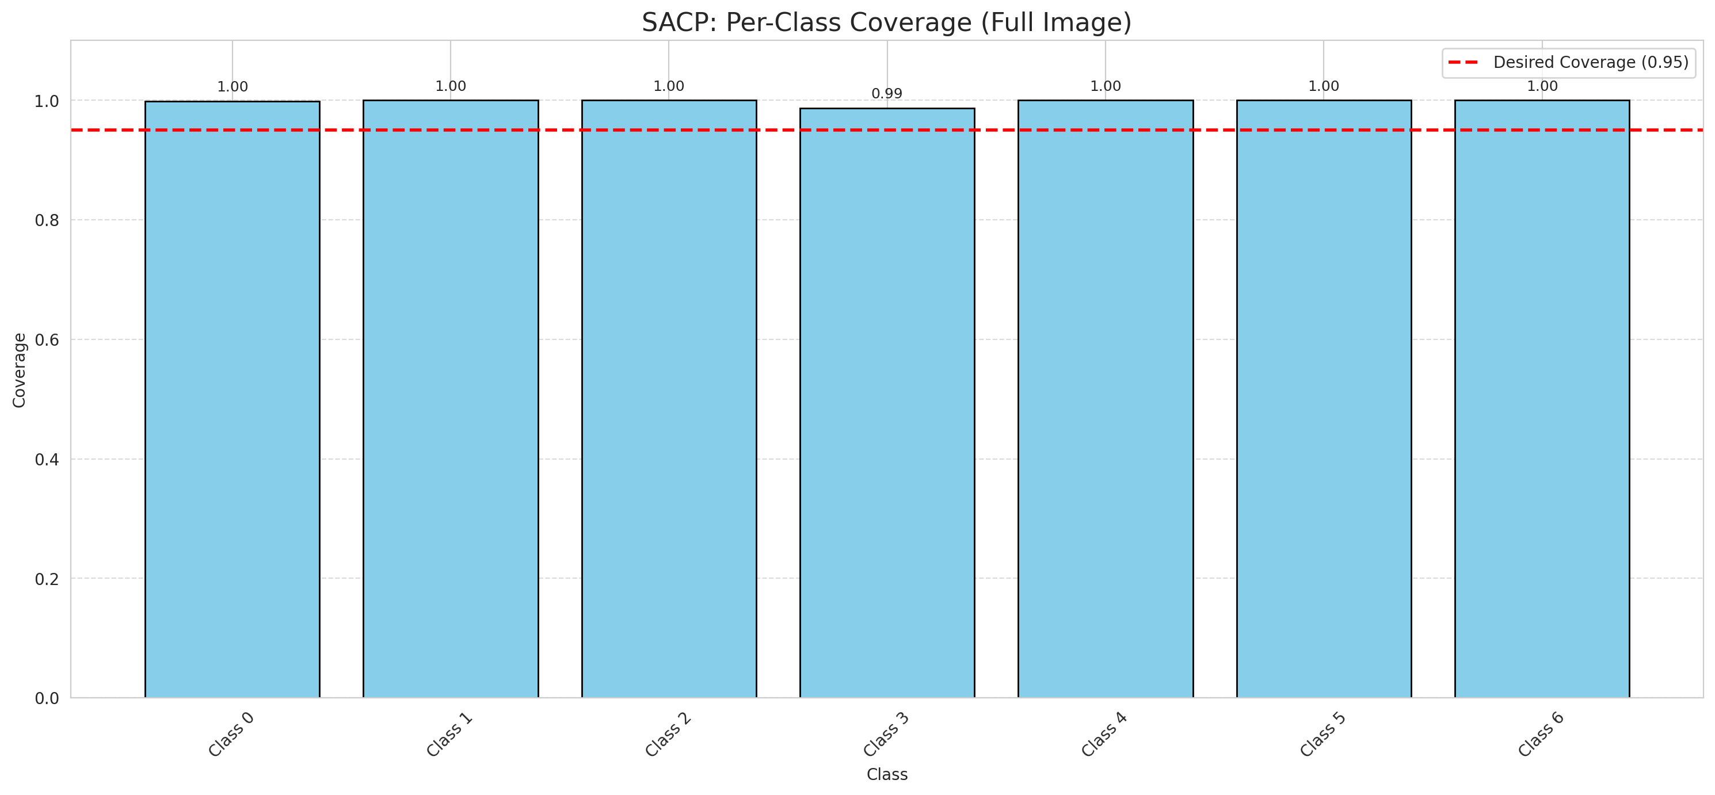
Summary
model_name | method | target_coverage | empirical_coverage | avg_set_size | median_set_size | singleton_rate | empty_set_rate | runtime_sec | alpha | lambda | k | q_hat | mean_per_class_coverage
AlexNet | SACP | 0.95 | 0.99860788863 | 1.0009280742 | 1 | 0.99907192575 | 0 | 62.135973642 | 0.05 | 0.5 | 1 | 0.76263888887 | 0.99801219933

Per-Class Coverage Values
class_id | class_coverage | support_count
0 | 0.9989059081 | 914
1 | 1 | 454
2 | 1 | 358
3 | 0.98717948718 | 156
4 | 1 | 104
5 | 1 | 101
6 | 1 | 68

Pixel Counts
class_id | label | pixel_count
0 | Class 0 | 38466
1 | Class 1 | 17424
2 | Class 2 | 16684
3 | Class 3 | 6200
4 | Class 4 | 3989 |  |  |  |  |  |  | Certain vs Uncertain Map
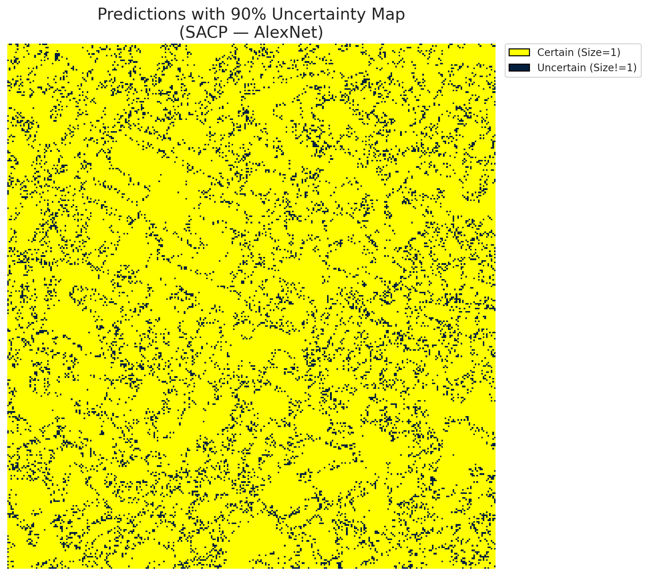
5 | Class 5 | 5831
6 | Class 6 | 2098
7 | Uncertain | 10618

SACP Parameters
q_hat | alpha | lambda | k | avg_set_size_eval
0.76263888887 | 0.05 | 0.5 | 1 | 1.0009280742

 |  |  |  |  |  |  |  |  | Class Map with Uncertain Mask
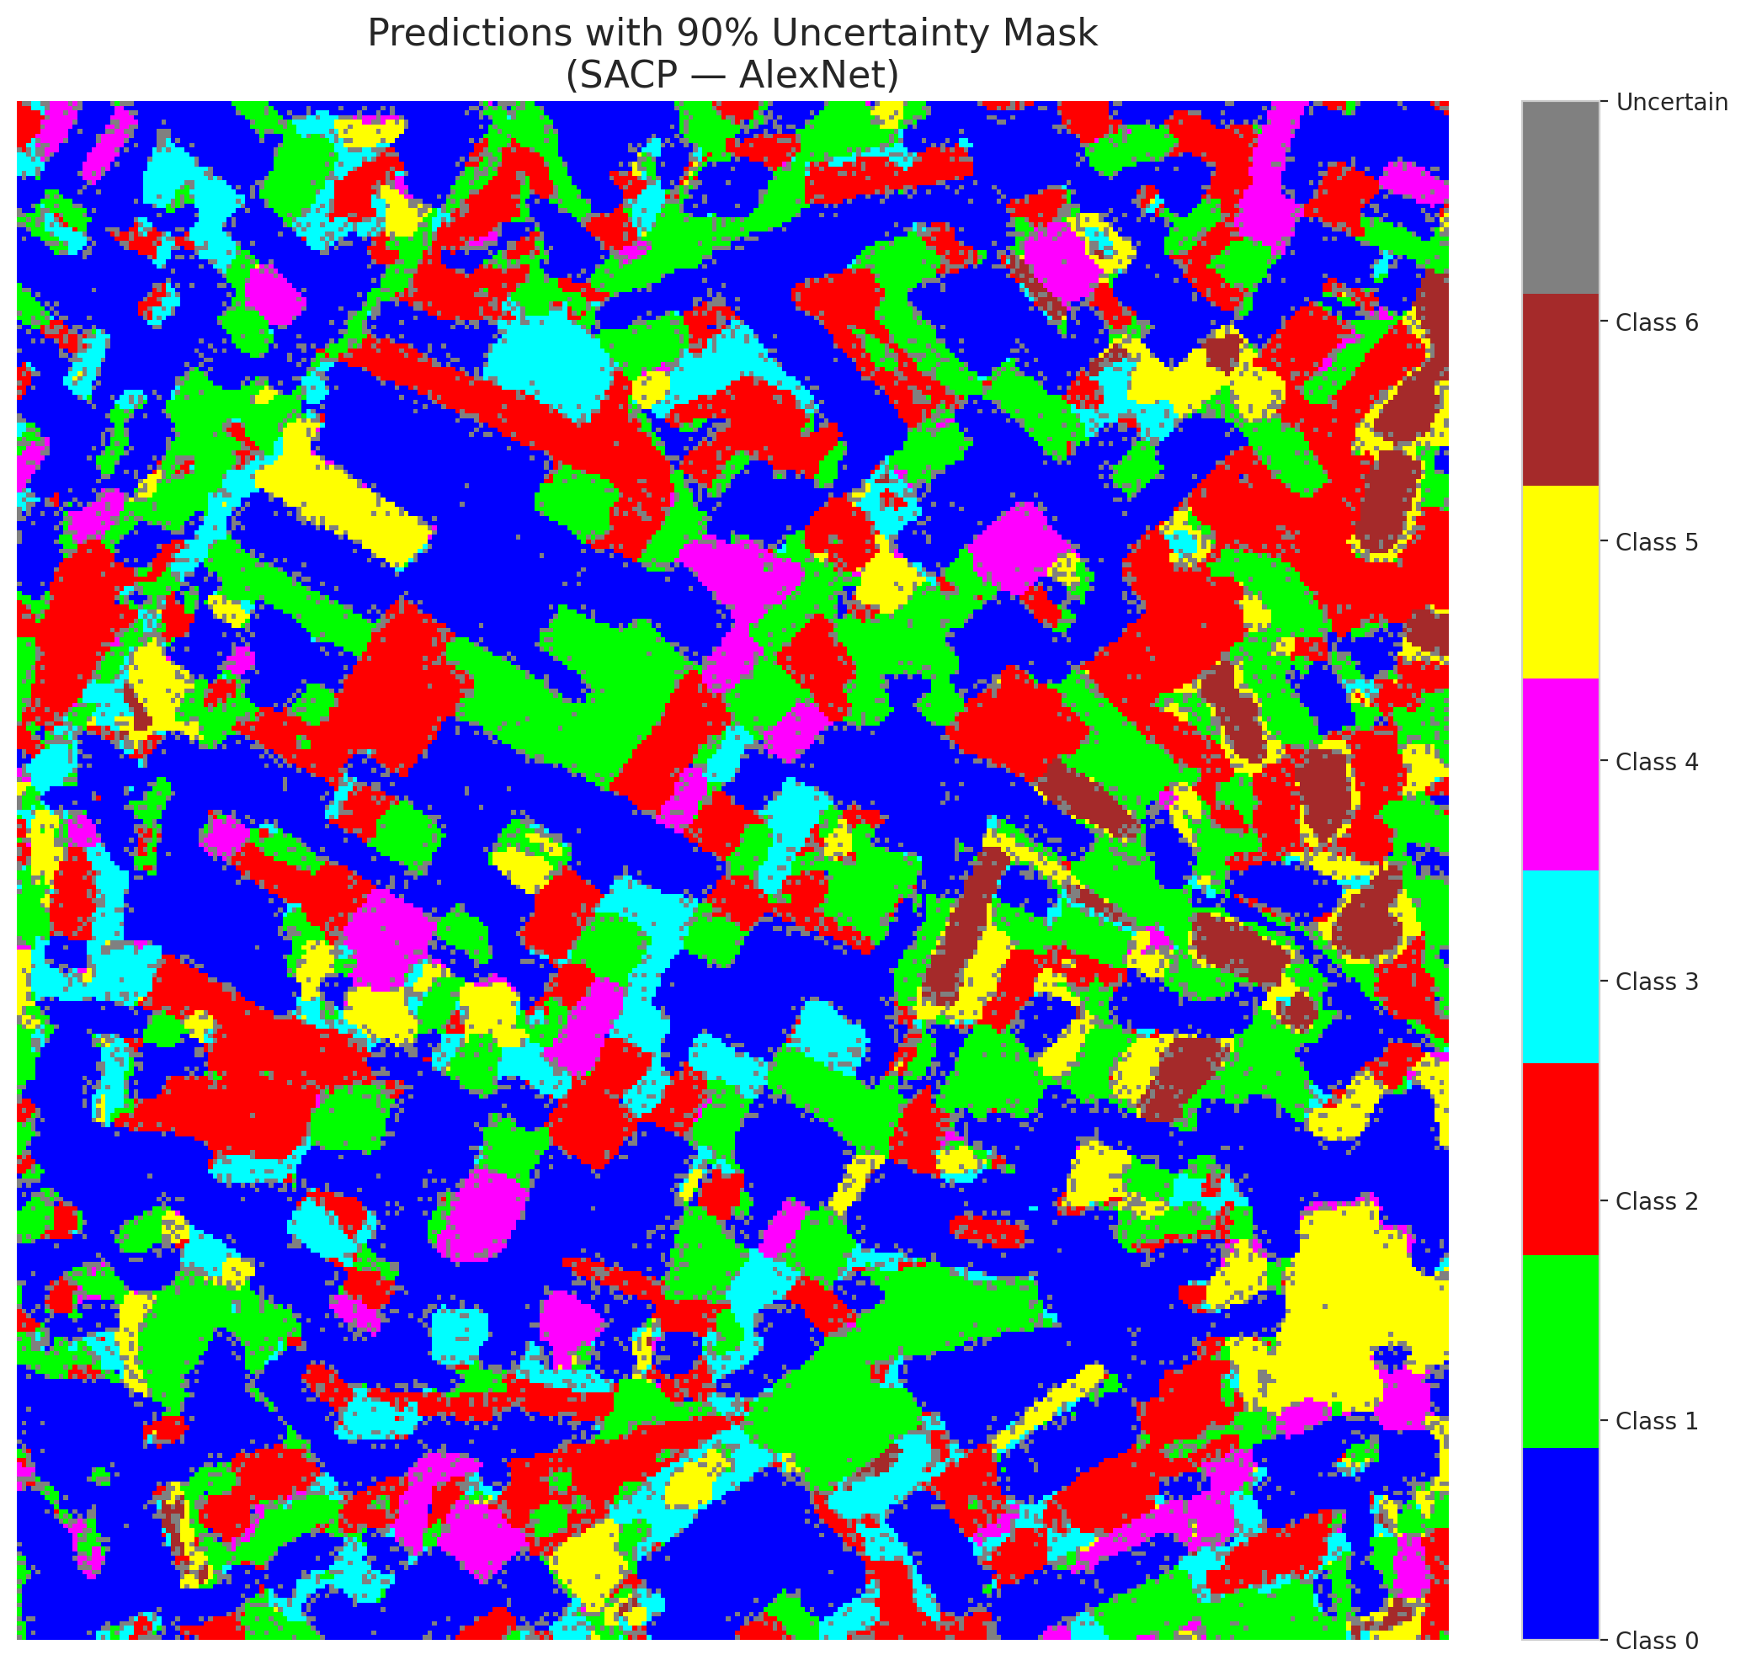

 |  |  |  |  |  |  |  |  | Pixel Counts

SACP_GFNet

SACP - GFNet |  |  |  |  |  |  |  |  | Per-Class Coverage

Summary
model_name | method | target_coverage | empirical_coverage | avg_set_size | median_set_size | singleton_rate | empty_set_rate | runtime_sec | alpha | lambda | k | q_hat | mean_per_class_coverage
GFNet | SACP | 0.95 | 0.99767981439 | 1.0009280742 | 1 | 0.99907192575 | 0 | 57.501753307 | 0.05 | 0.5 | 1 | 0.75763226412 | 0.99721411473

Per-Class Coverage Values
class_id | class_coverage | support_count
0 | 0.9989059081 | 914
1 | 1 | 454
2 | 0.99441340782 | 358
3 | 0.98717948718 | 156
4 | 1 | 104
5 | 1 | 101
6 | 1 | 68

Pixel Counts
class_id | label | pixel_count
0 | Class 0 | 39598
1 | Class 1 | 17287
2 | Class 2 | 16507
3 | Class 3 | 4960
4 | Class 4 | 3933 |  |  |  |  |  |  | Certain vs Uncertain Map

5 | Class 5 | 5691
6 | Class 6 | 2124
7 | Uncertain | 11210

SACP Parameters
q_hat | alpha | lambda | k | avg_set_size_eval
0.75763226412 | 0.05 | 0.5 | 1 | 1.0009280742

 |  |  |  |  |  |  |  |  | Class Map with Uncertain Mask
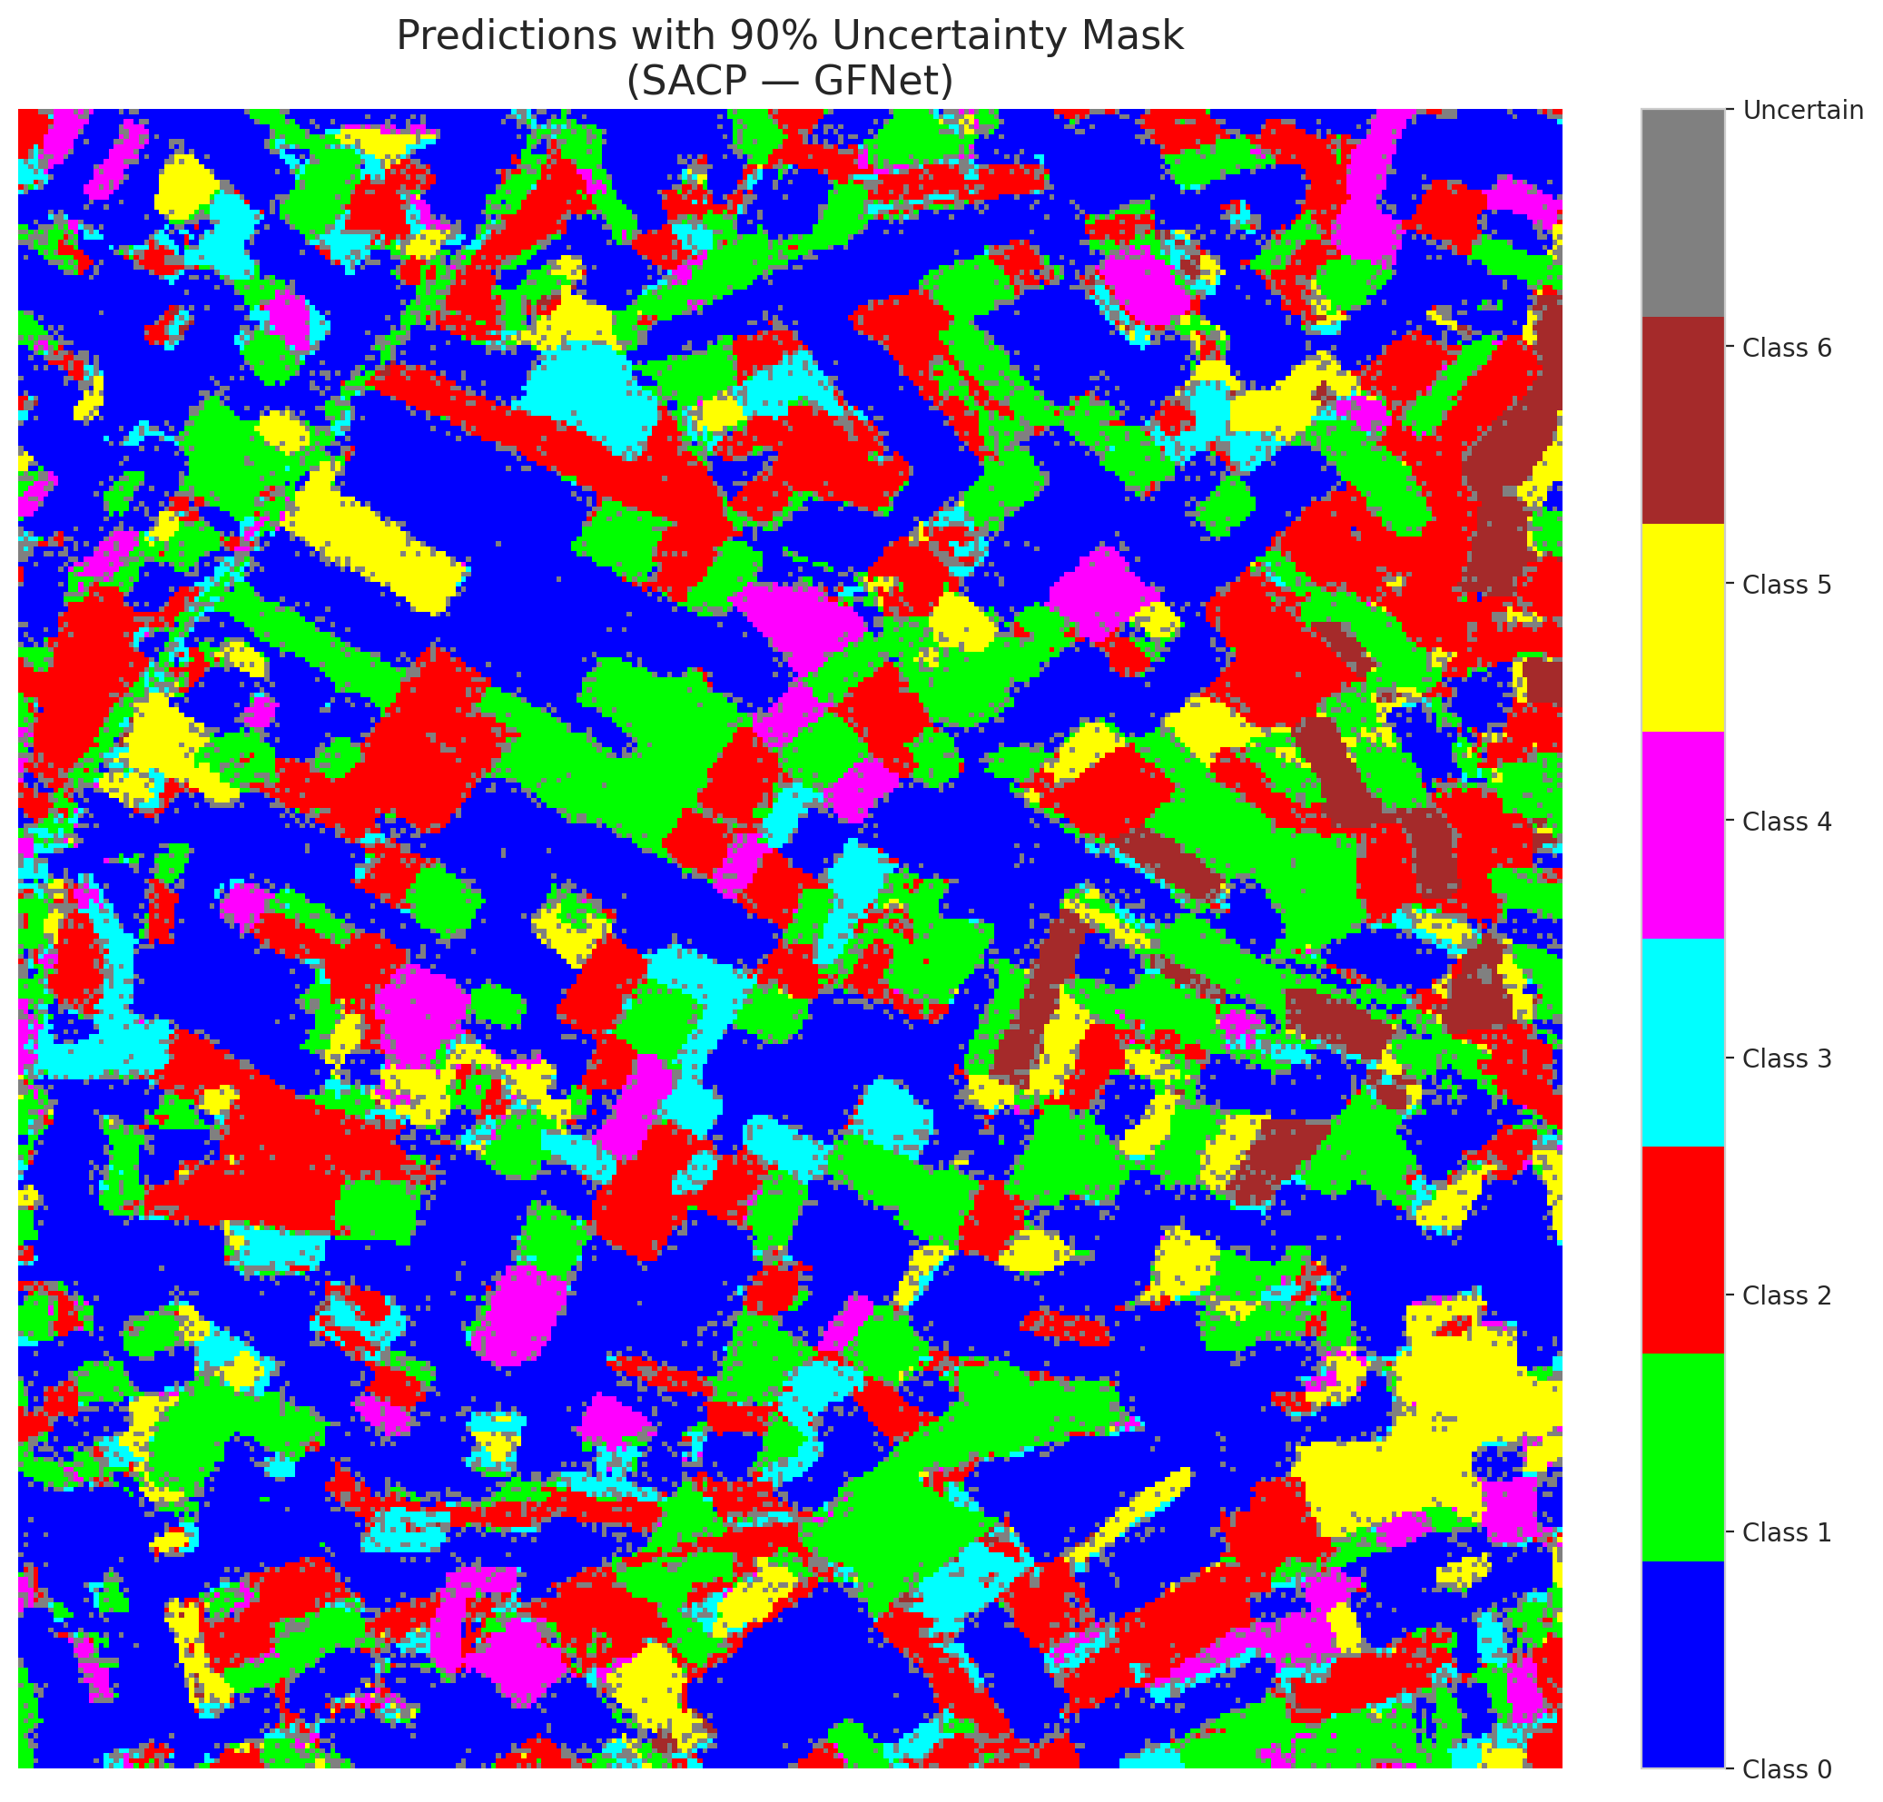

 |  |  |  |  |  |  |  |  | Pixel Counts

SACP_ViT
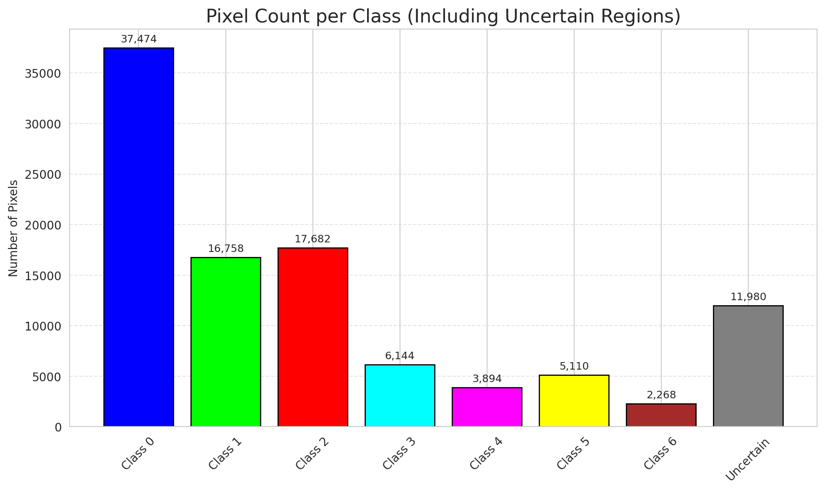
SACP - ViT |  |  |  |  |  |  |  |  | Per-Class Coverage
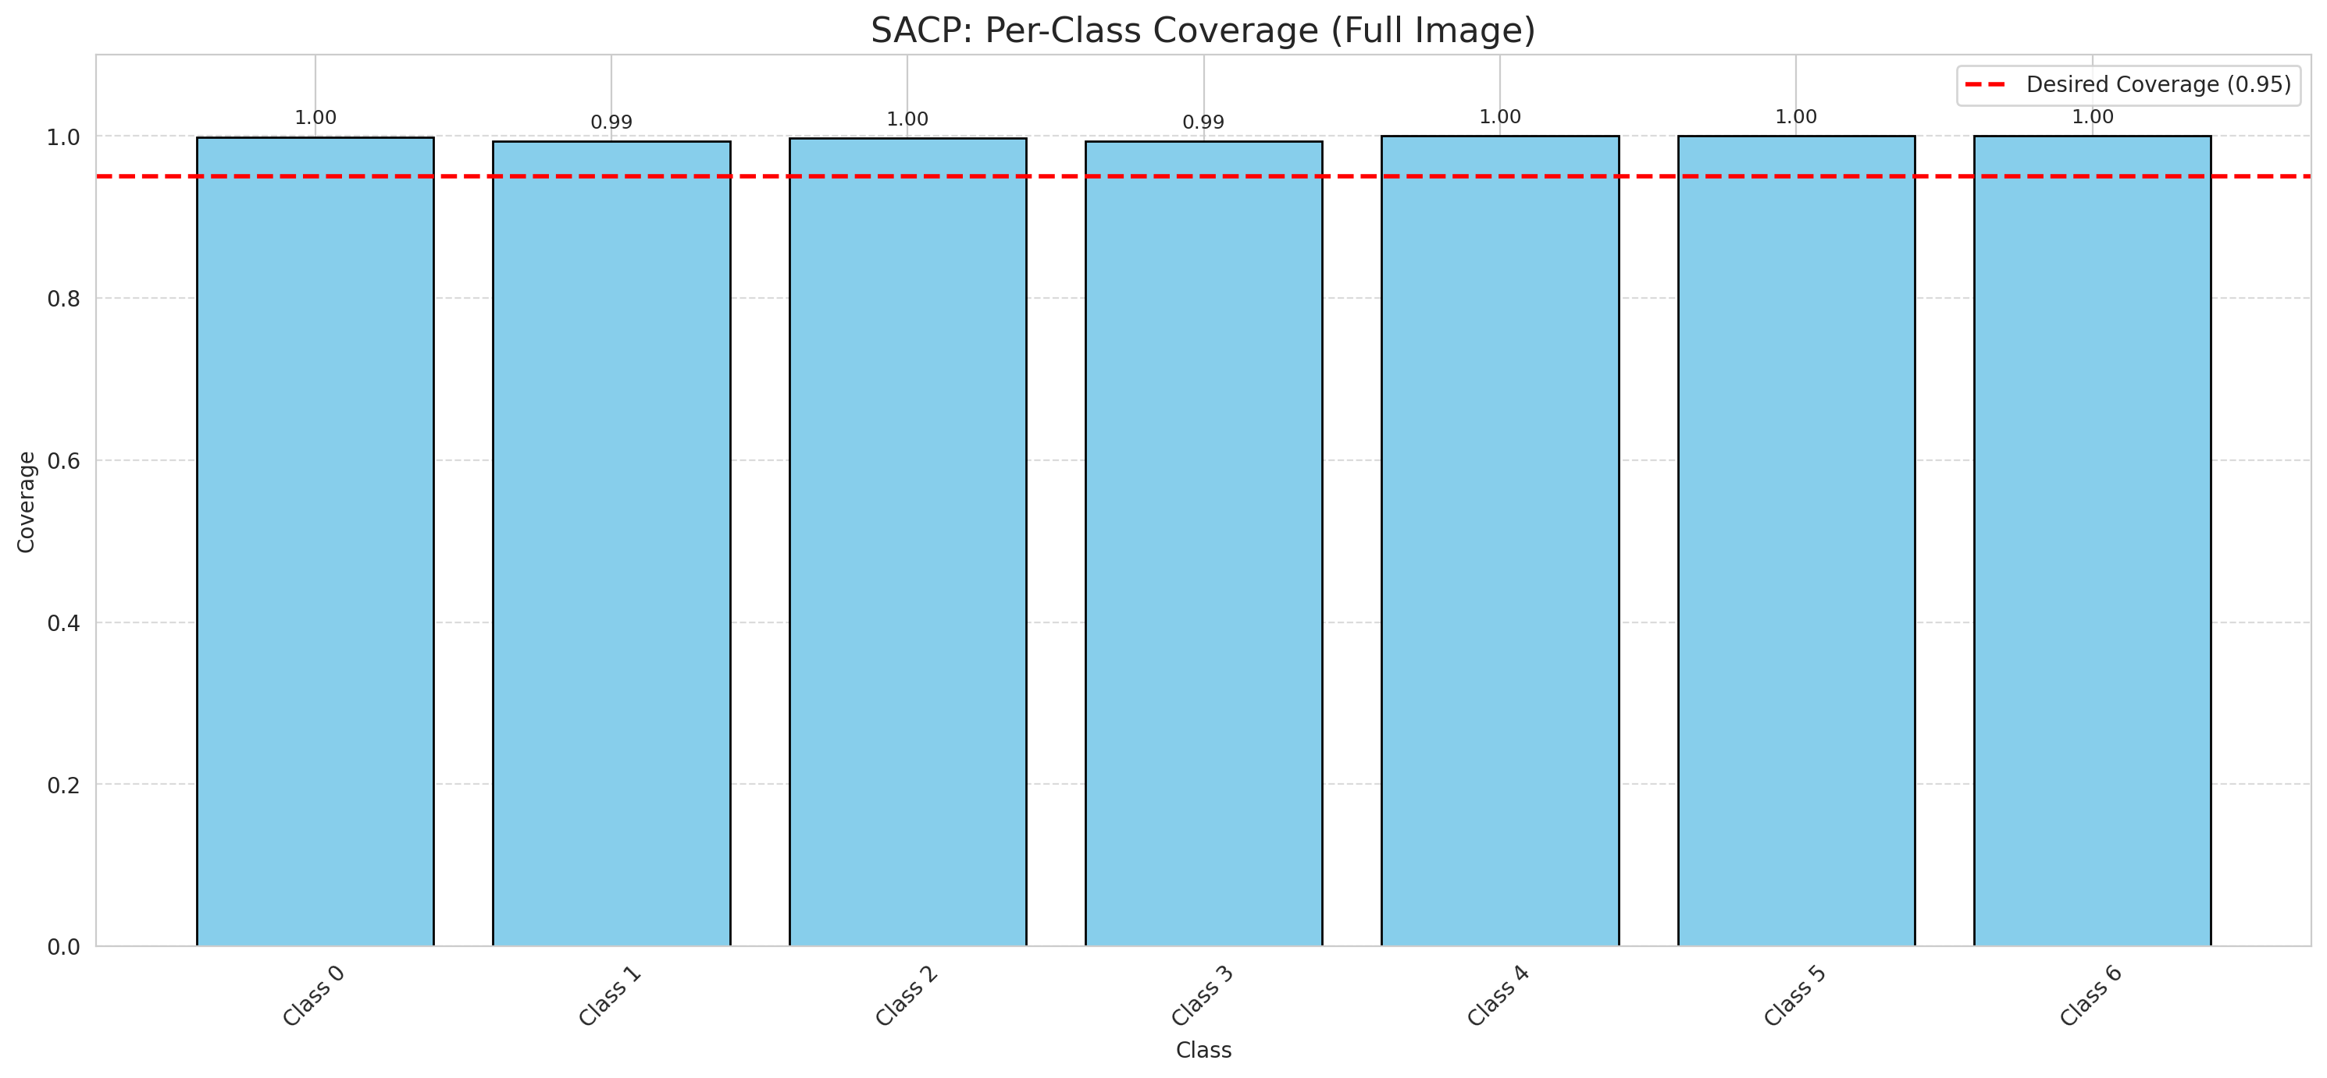
Summary
model_name | method | target_coverage | empirical_coverage | avg_set_size | median_set_size | singleton_rate | empty_set_rate | runtime_sec | alpha | lambda | k | q_hat | mean_per_class_coverage
ViT | SACP | 0.95 | 0.99721577726 | 1.0023201856 | 1 | 0.99767981439 | 0 | 74.594361501 | 0.05 | 0.5 | 1 | 0.73665618357 | 0.99758491801

Per-Class Coverage Values
class_id | class_coverage | support_count
0 | 0.9989059081 | 914
1 | 0.99339207048 | 454
2 | 0.99720670391 | 358
3 | 0.99358974359 | 156
4 | 1 | 104
5 | 1 | 101
6 | 1 | 68

Pixel Counts
class_id | label | pixel_count
0 | Class 0 | 37474
1 | Class 1 | 16758
2 | Class 2 | 17682
3 | Class 3 | 6144
4 | Class 4 | 3894 |  |  |  |  |  |  | Certain vs Uncertain Map
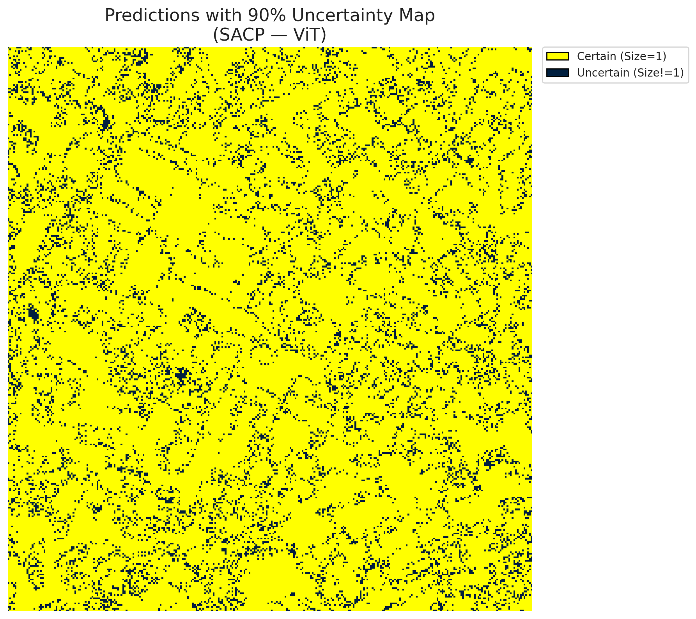
5 | Class 5 | 5110
6 | Class 6 | 2268
7 | Uncertain | 11980

SACP Parameters
q_hat | alpha | lambda | k | avg_set_size_eval
0.73665618357 | 0.05 | 0.5 | 1 | 1.0023201856

 |  |  |  |  |  |  |  |  | Class Map with Uncertain Mask
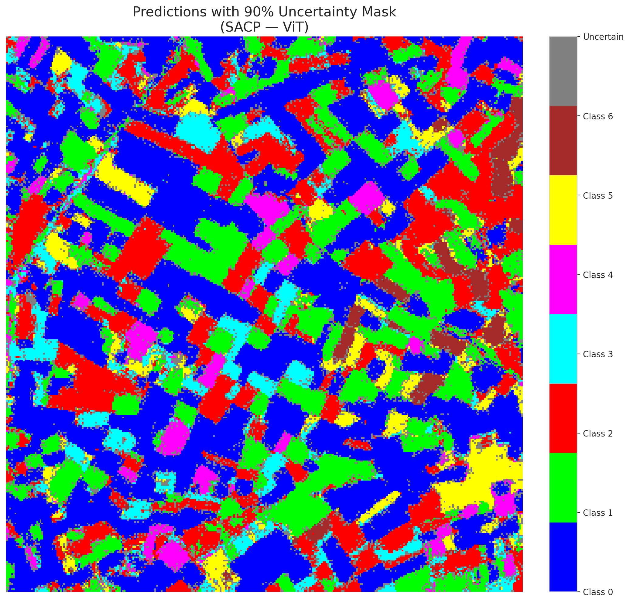

 |  |  |  |  |  |  |  |  | Pixel Counts

