SACP_AlexNet
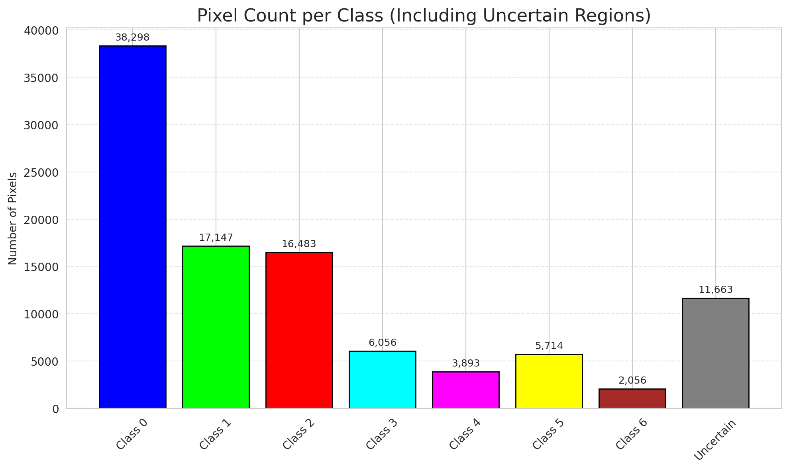
SACP - AlexNet |  |  |  |  |  |  |  |  | Per-Class Coverage
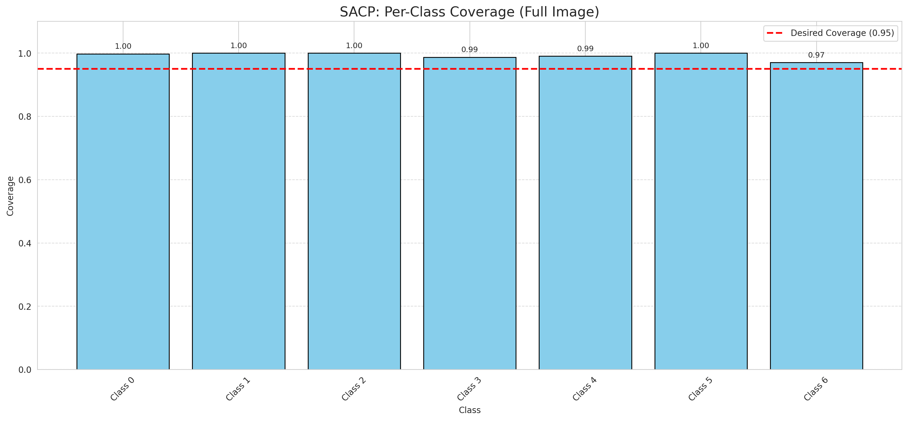
Summary
model_name | method | target_coverage | empirical_coverage | avg_set_size | median_set_size | singleton_rate | empty_set_rate | runtime_sec | alpha | lambda | k | q_hat | mean_per_class_coverage
AlexNet | SACP | 0.95 | 0.99675174014 | 1 | 1 | 1 | 0 | 72.922752731 | 0.05 | 0.5 | 1 | 0.7711675205 | 0.99228059344

Per-Class Coverage Values
class_id | class_coverage | support_count
0 | 0.99781181619 | 914
1 | 1 | 454
2 | 1 | 358
3 | 0.98717948718 | 156
4 | 0.99038461538 | 104
5 | 1 | 101
6 | 0.97058823529 | 68

Pixel Counts
class_id | label | pixel_count
0 | Class 0 | 38298
1 | Class 1 | 17147
2 | Class 2 | 16483
3 | Class 3 | 6056
4 | Class 4 | 3893 |  |  |  |  |  |  | Certain vs Uncertain Map
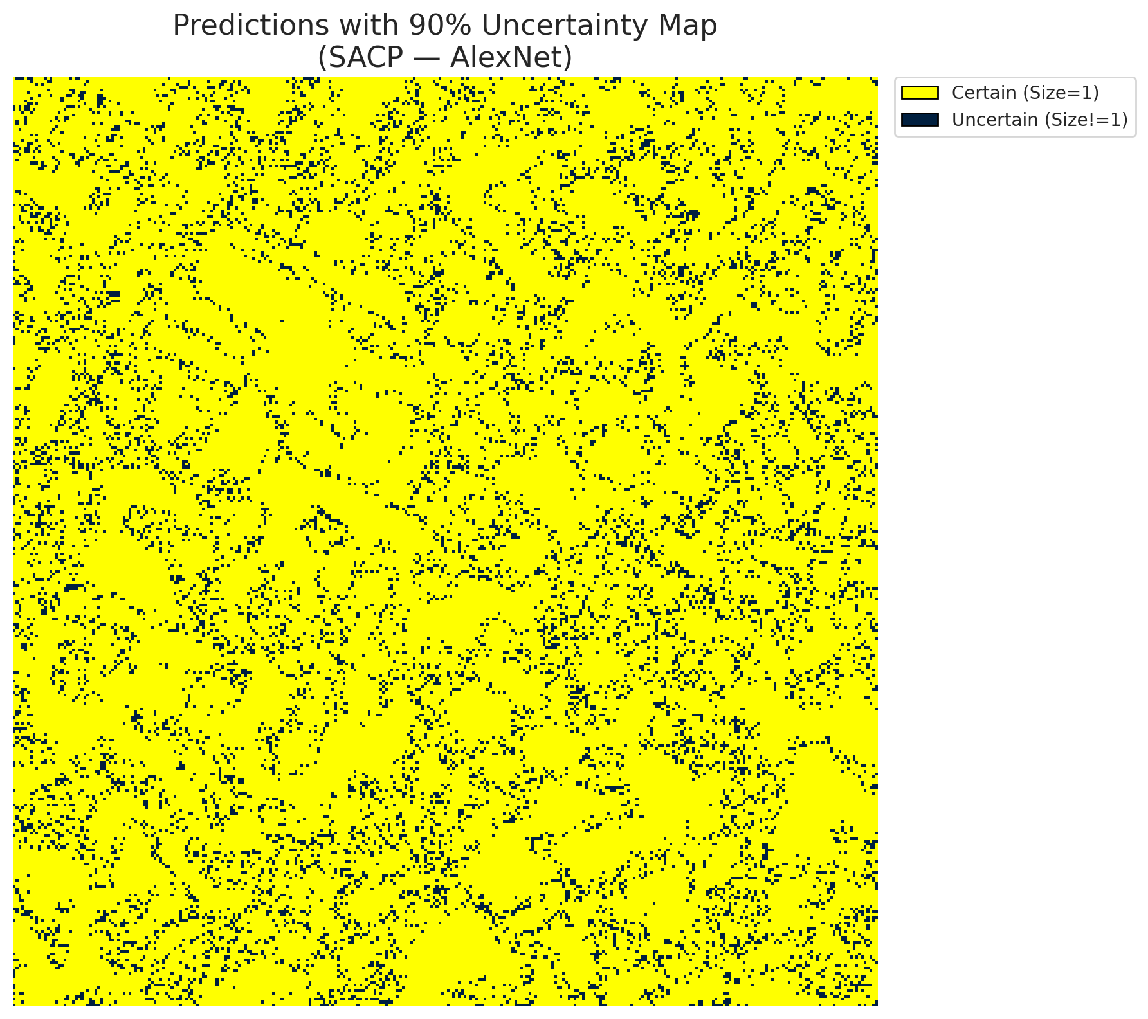
5 | Class 5 | 5714
6 | Class 6 | 2056
7 | Uncertain | 11663

SACP Parameters
q_hat | alpha | lambda | k | avg_set_size_eval
0.7711675205 | 0.05 | 0.5 | 1 | 1

 |  |  |  |  |  |  |  |  | Class Map with Uncertain Mask
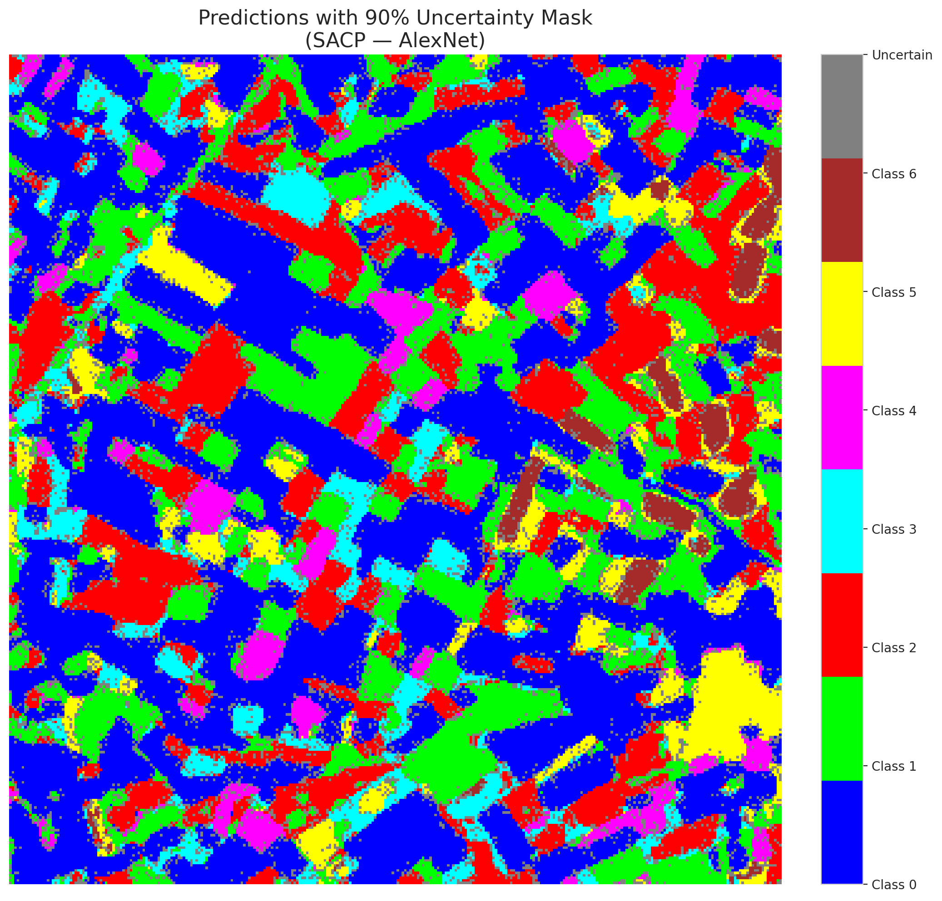

 |  |  |  |  |  |  |  |  | Pixel Counts

SACP_GFNet

SACP - GFNet |  |  |  |  |  |  |  |  | Per-Class Coverage
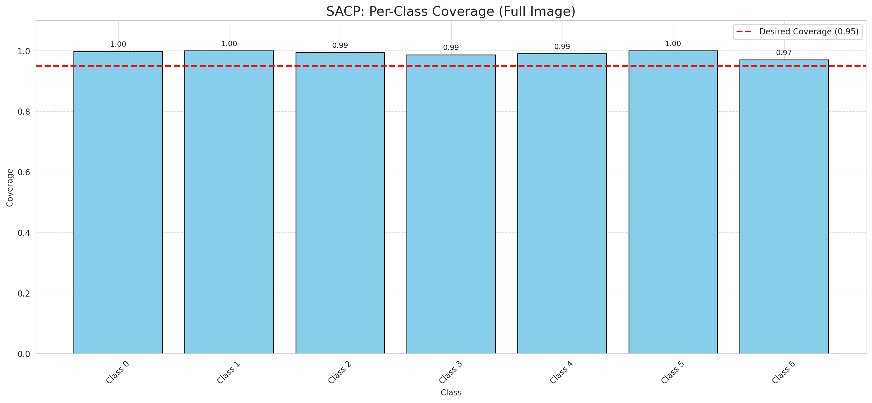
Summary
model_name | method | target_coverage | empirical_coverage | avg_set_size | median_set_size | singleton_rate | empty_set_rate | runtime_sec | alpha | lambda | k | q_hat | mean_per_class_coverage
GFNet | SACP | 0.95 | 0.99582366589 | 1 | 1 | 1 | 0 | 69.500658906 | 0.05 | 0.5 | 1 | 0.76675922324 | 0.99148250884

Per-Class Coverage Values
class_id | class_coverage | support_count
0 | 0.99781181619 | 914
1 | 1 | 454
2 | 0.99441340782 | 358
3 | 0.98717948718 | 156
4 | 0.99038461538 | 104
5 | 1 | 101
6 | 0.97058823529 | 68

Pixel Counts
class_id | label | pixel_count
0 | Class 0 | 39502
1 | Class 1 | 17095
2 | Class 2 | 16390
3 | Class 3 | 4848
4 | Class 4 | 3859 |  |  |  |  |  |  | Certain vs Uncertain Map

5 | Class 5 | 5599
6 | Class 6 | 2091
7 | Uncertain | 11926

SACP Parameters
q_hat | alpha | lambda | k | avg_set_size_eval
0.76675922324 | 0.05 | 0.5 | 1 | 1

 |  |  |  |  |  |  |  |  | Class Map with Uncertain Mask
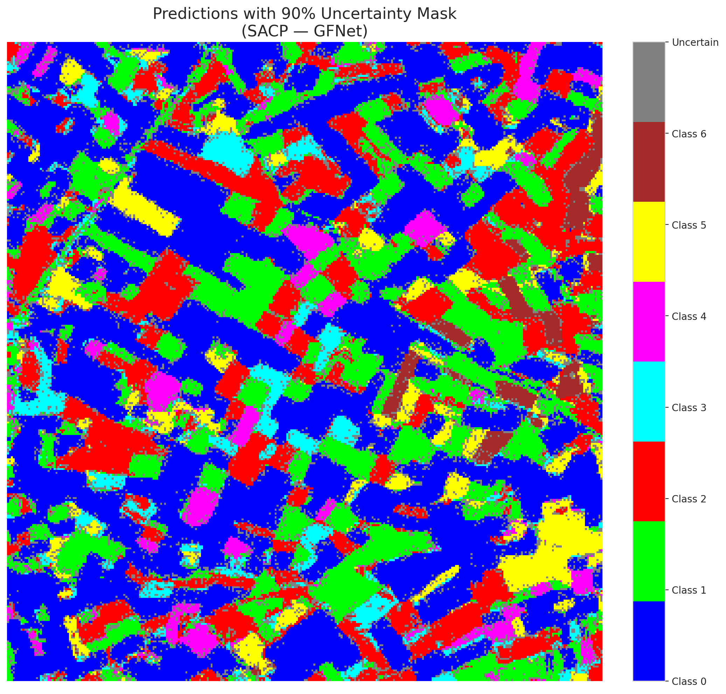

 |  |  |  |  |  |  |  |  | Pixel Counts

SACP_ViT
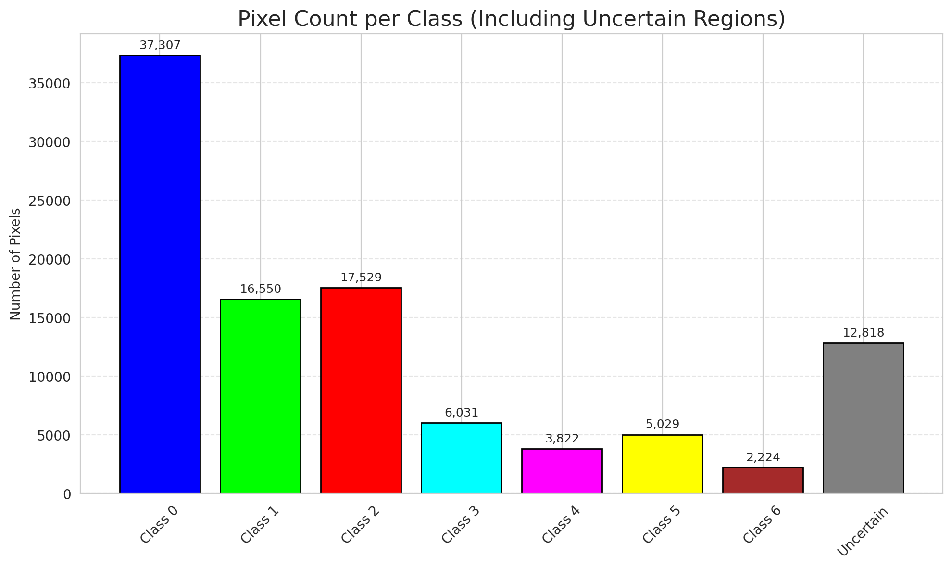
SACP - ViT |  |  |  |  |  |  |  |  | Per-Class Coverage
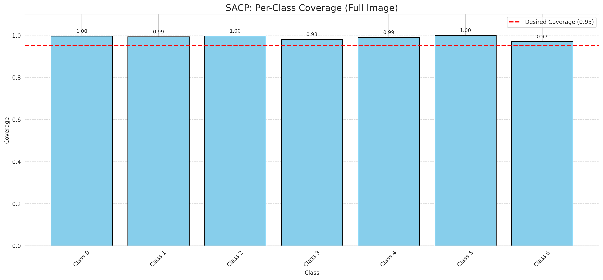
Summary
model_name | method | target_coverage | empirical_coverage | avg_set_size | median_set_size | singleton_rate | empty_set_rate | runtime_sec | alpha | lambda | k | q_hat | mean_per_class_coverage
ViT | SACP | 0.95 | 0.9939675174 | 1.0009280742 | 1 | 0.99907192575 | 0 | 83.73788753 | 0.05 | 0.5 | 1 | 0.74513083552 | 0.98986551145

Per-Class Coverage Values
class_id | class_coverage | support_count
0 | 0.99671772429 | 914
1 | 0.99339207048 | 454
2 | 0.99720670391 | 358
3 | 0.98076923077 | 156
4 | 0.99038461538 | 104
5 | 1 | 101
6 | 0.97058823529 | 68

Pixel Counts
class_id | label | pixel_count
0 | Class 0 | 37307
1 | Class 1 | 16550
2 | Class 2 | 17529
3 | Class 3 | 6031
4 | Class 4 | 3822 |  |  |  |  |  |  | Certain vs Uncertain Map
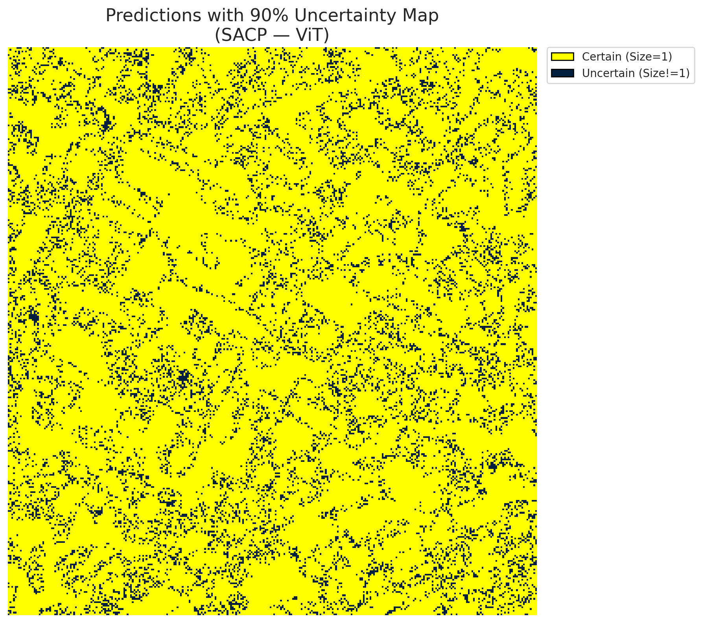
5 | Class 5 | 5029
6 | Class 6 | 2224
7 | Uncertain | 12818

SACP Parameters
q_hat | alpha | lambda | k | avg_set_size_eval
0.74513083552 | 0.05 | 0.5 | 1 | 1.0009280742

 |  |  |  |  |  |  |  |  | Class Map with Uncertain Mask
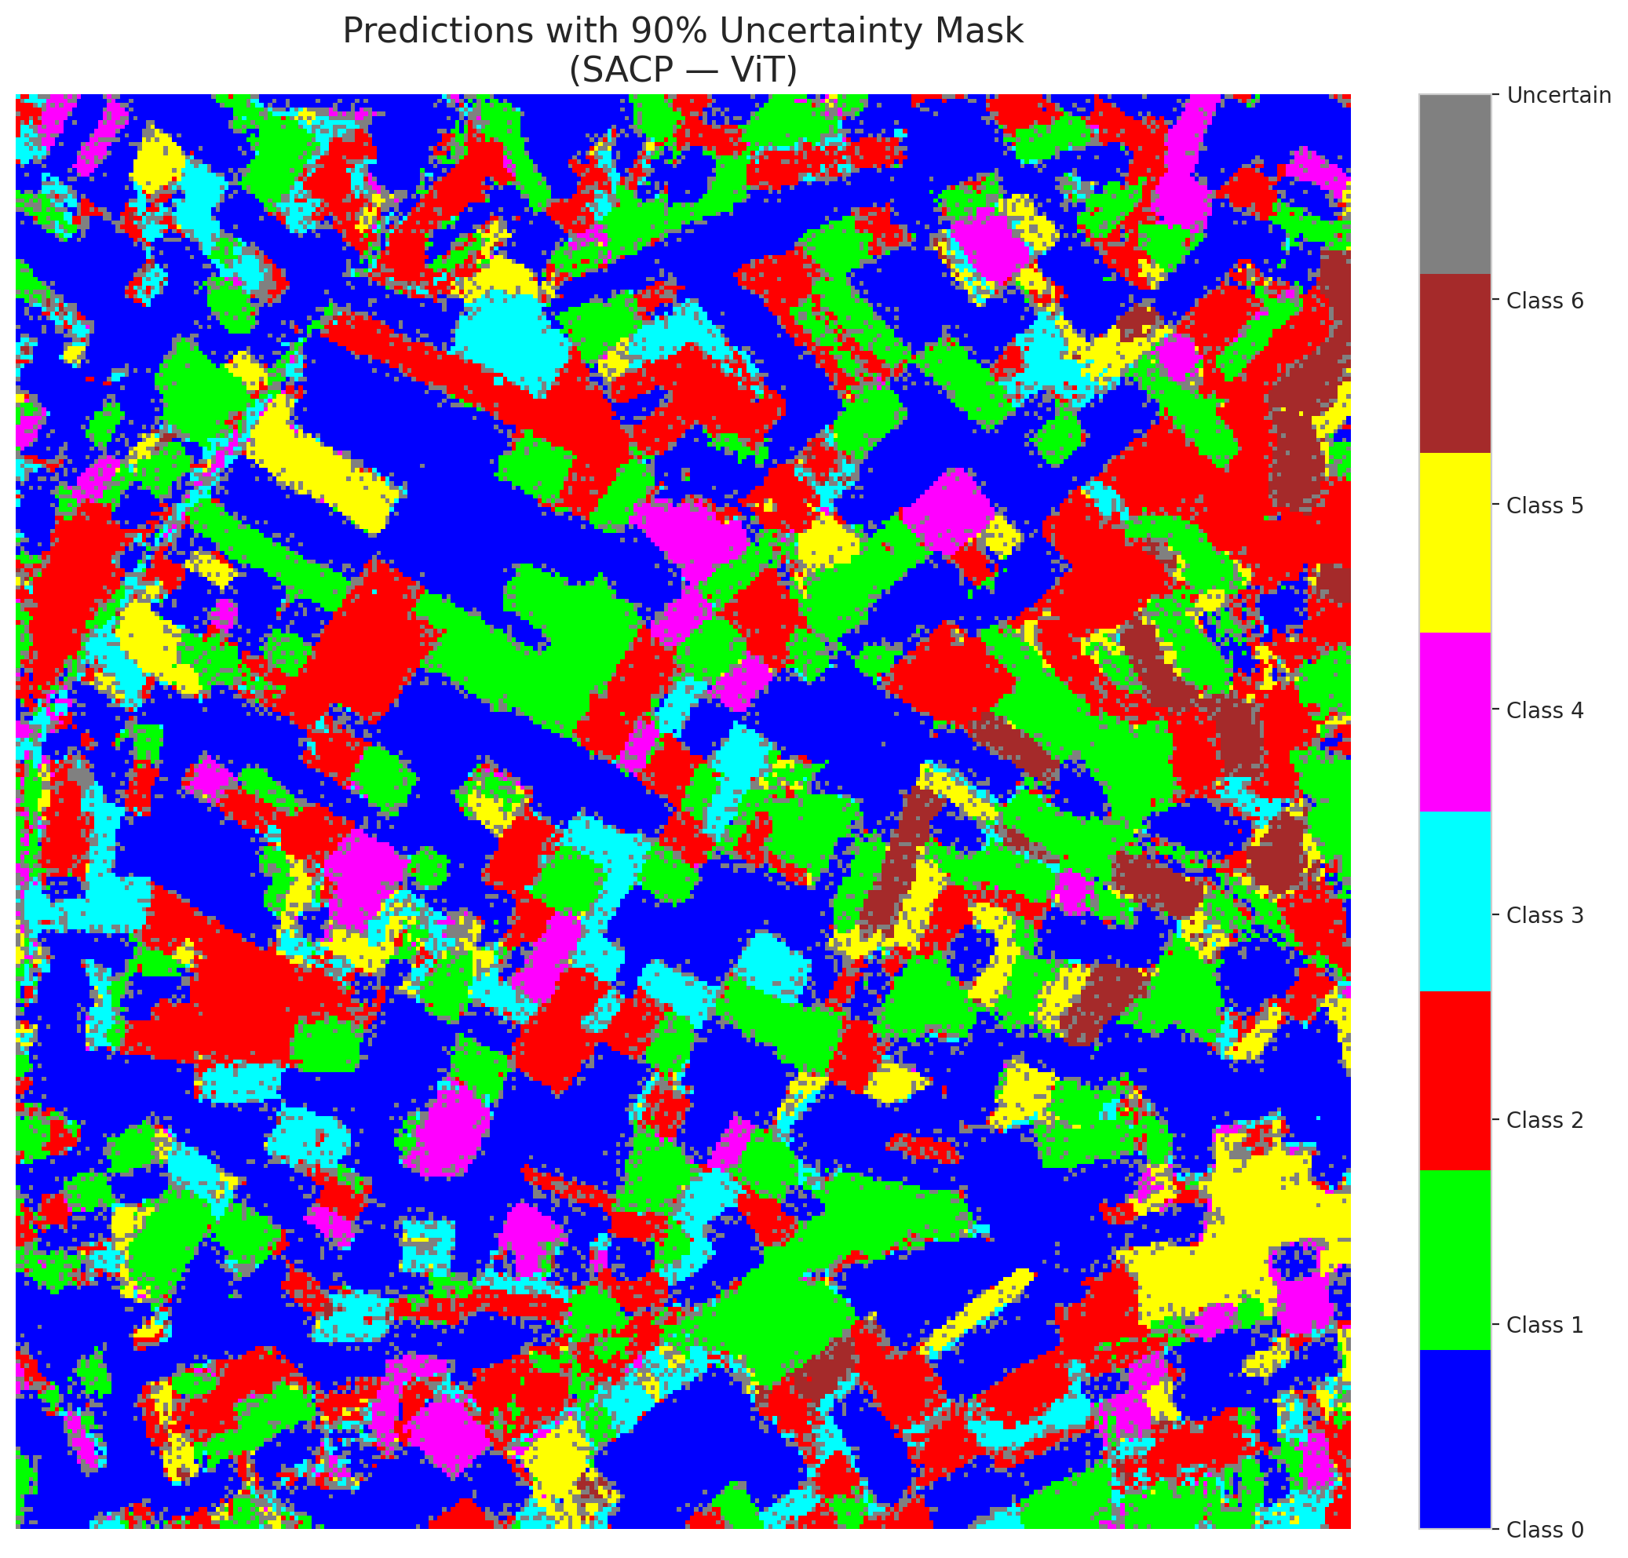

 |  |  |  |  |  |  |  |  | Pixel Counts

