Split_AlexNet
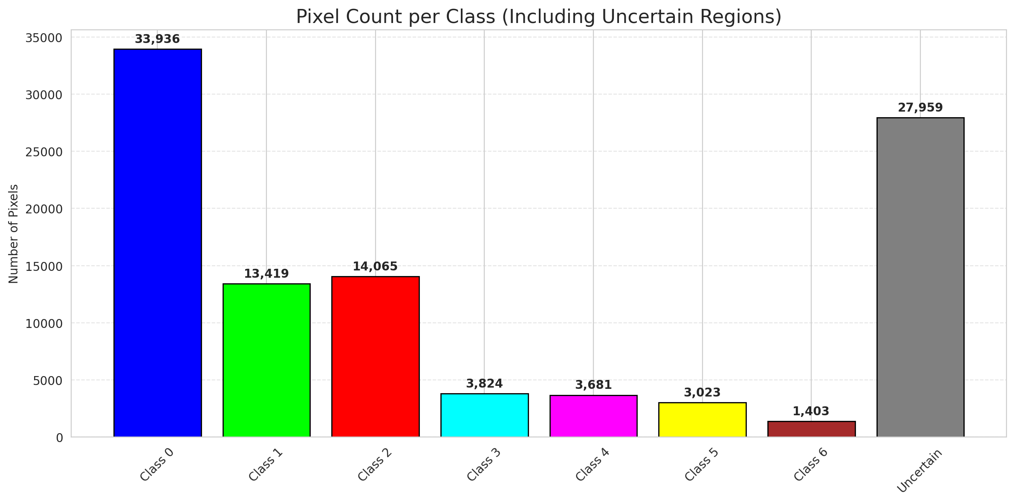
SplitConformal - AlexNet |  |  |  |  |  |  |  |  | Per-Class Coverage
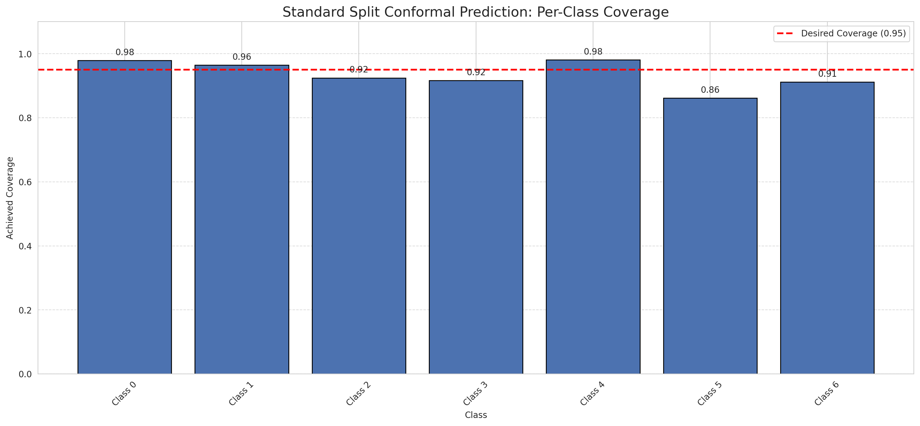
Summary
model_name | method | target_coverage | empirical_coverage | avg_set_size | median_set_size | singleton_rate | empty_set_rate | runtime_sec | alpha | lam | n_clusters | mean_per_class_coverage
AlexNet | SplitConformal | 0.95 | 0.95498839907 | 0.95498839907 | 1 | 0.95498839907 | 0.045011600928 | 2.003563406 | 0.05 |  |  | 0.93416253009

Per-Class Coverage Values
class_id | class_coverage | support_count
0 | 0.97921225383 | 914
1 | 0.96475770925 | 454
2 | 0.92458100559 | 358
3 | 0.91666666667 | 156
4 | 0.98076923077 | 104
5 | 0.86138613861 | 101
6 | 0.91176470588 | 68

Pixel Counts
class_id | label | pixel_count
0 | Class 0 | 33936
1 | Class 1 | 13419
2 | Class 2 | 14065
3 | Class 3 | 3824
4 | Class 4 | 3681 |  |  |  |  |  |  | Certain vs Uncertain Map
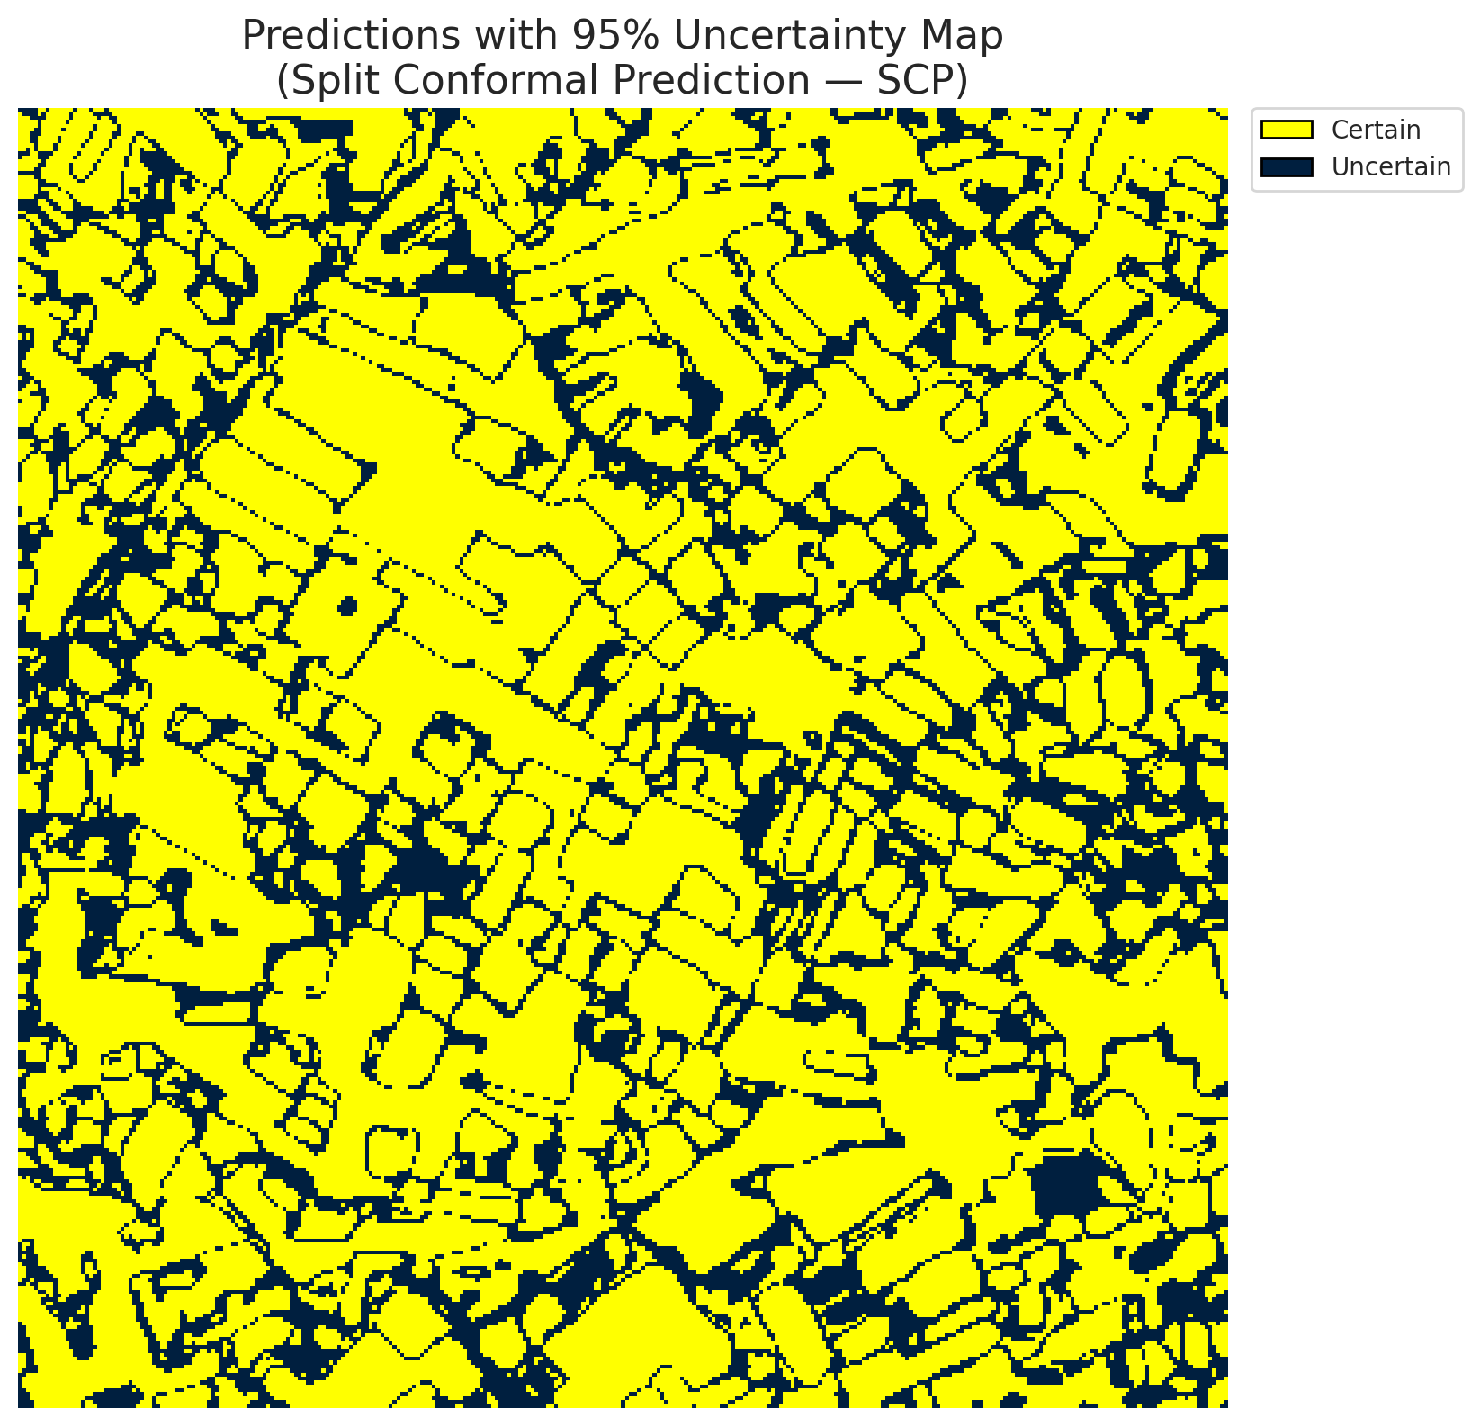
5 | Class 5 | 3023
6 | Class 6 | 1403
7 | Uncertain | 27959

Threshold
q_hat_split
0.0059281263043

 |  |  |  |  |  |  |  |  | Class Map with Uncertain Mask
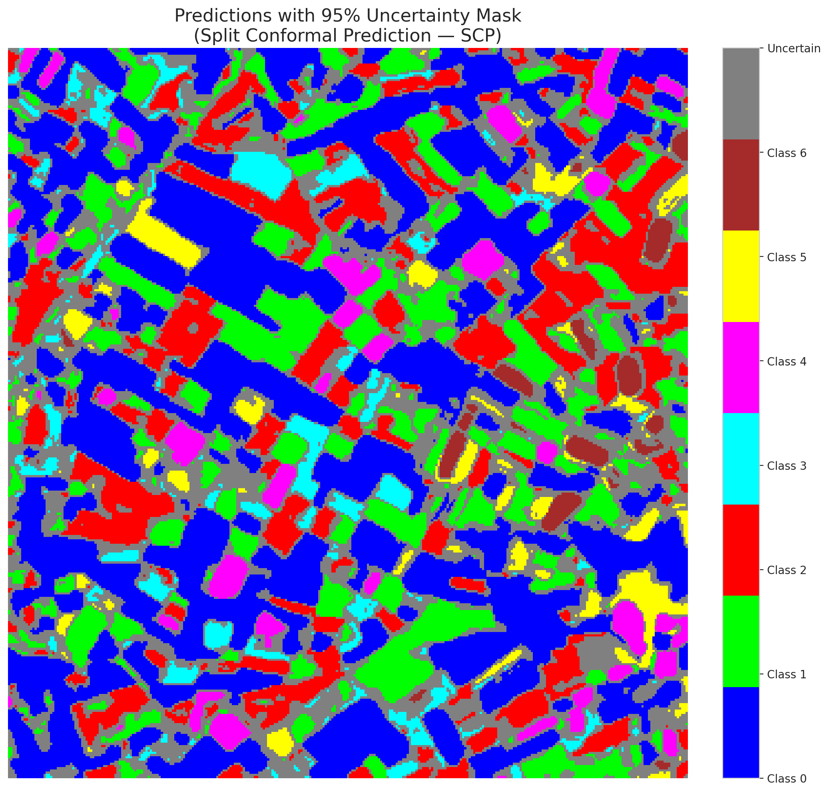

 |  |  |  |  |  |  |  |  | Pixel Counts

ClassCond_AlexNet
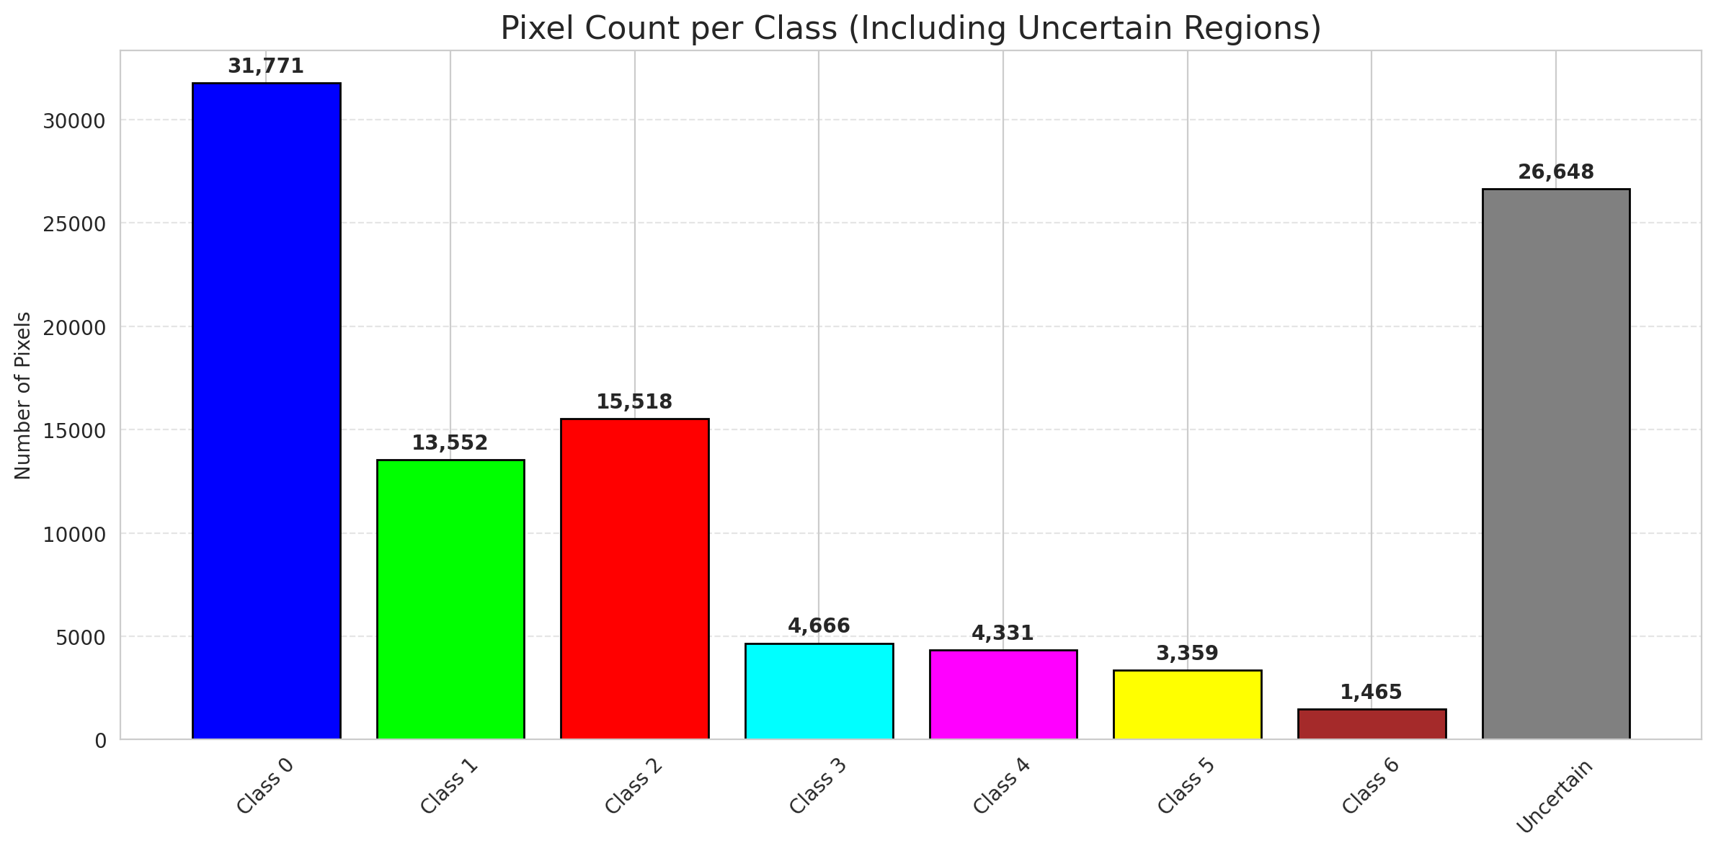
ClassConditionalConformal - AlexNet |  |  |  |  |  |  |  |  | Per-Class Coverage
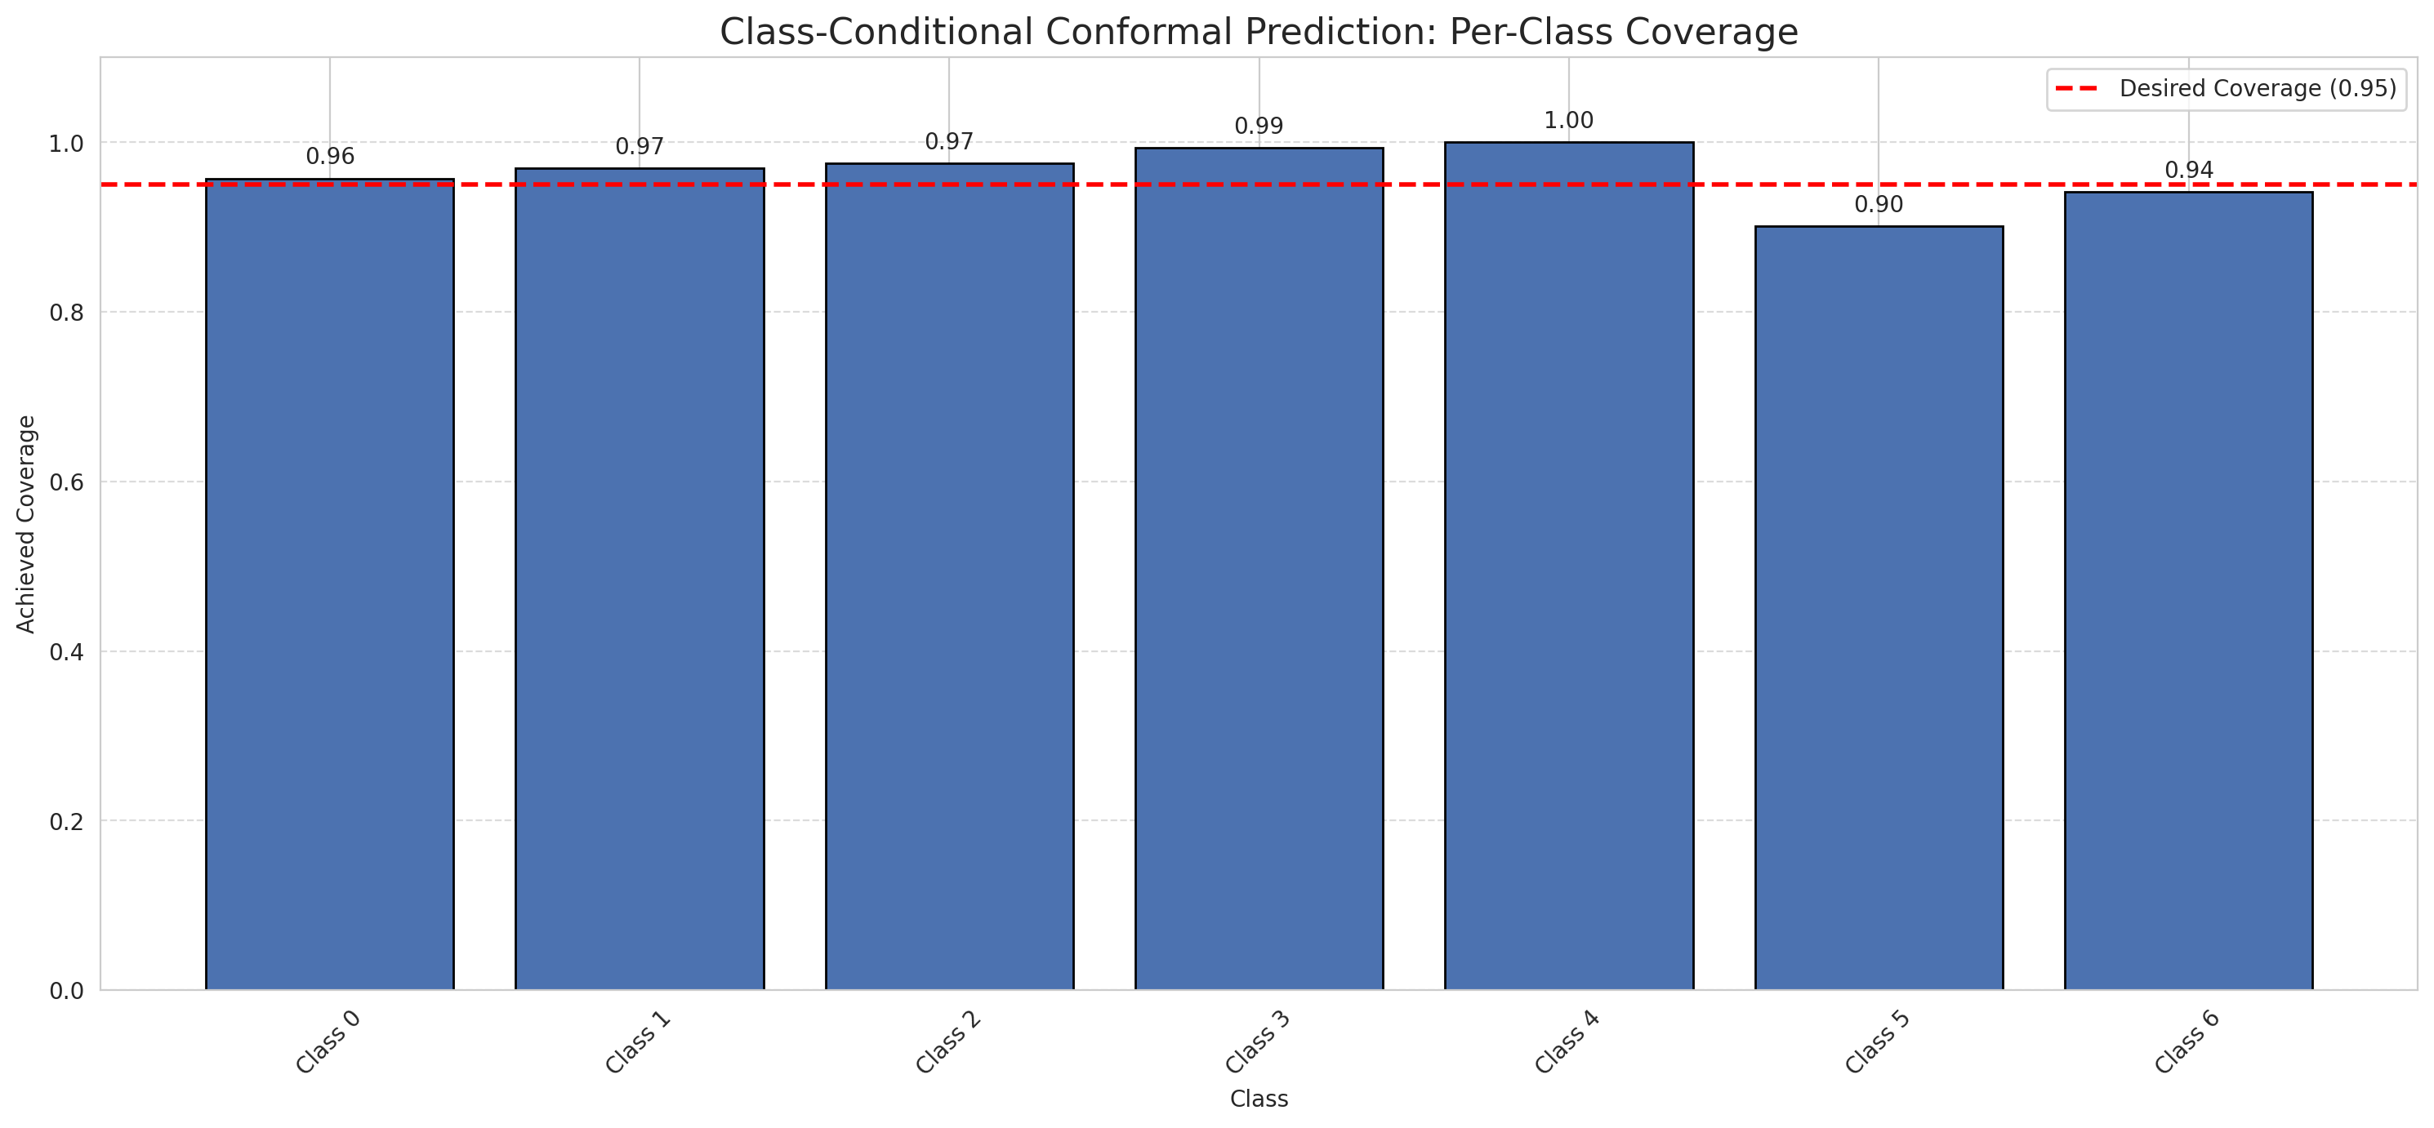
Summary
model_name | method | target_coverage | empirical_coverage | avg_set_size | median_set_size | singleton_rate | empty_set_rate | runtime_sec | alpha | lam | n_clusters | mean_per_class_coverage
AlexNet | ClassConditionalConformal | 0.95 | 0.96426914153 | 0.96426914153 | 1 | 0.96426914153 | 0.035730858469 | 1.694495465 | 0.05 |  |  | 0.96244429425

Per-Class Coverage Values
class_id | class_coverage | support_count
0 | 0.95733041575 | 914
1 | 0.96916299559 | 454
2 | 0.9748603352 | 358
3 | 0.99358974359 | 156
4 | 1 | 104
5 | 0.90099009901 | 101
6 | 0.94117647059 | 68

Pixel Counts
class_id | label | pixel_count
0 | Class 0 | 31771
1 | Class 1 | 13552
2 | Class 2 | 15518
3 | Class 3 | 4666
4 | Class 4 | 4331 |  |  |  |  |  |  | Certain vs Uncertain Map
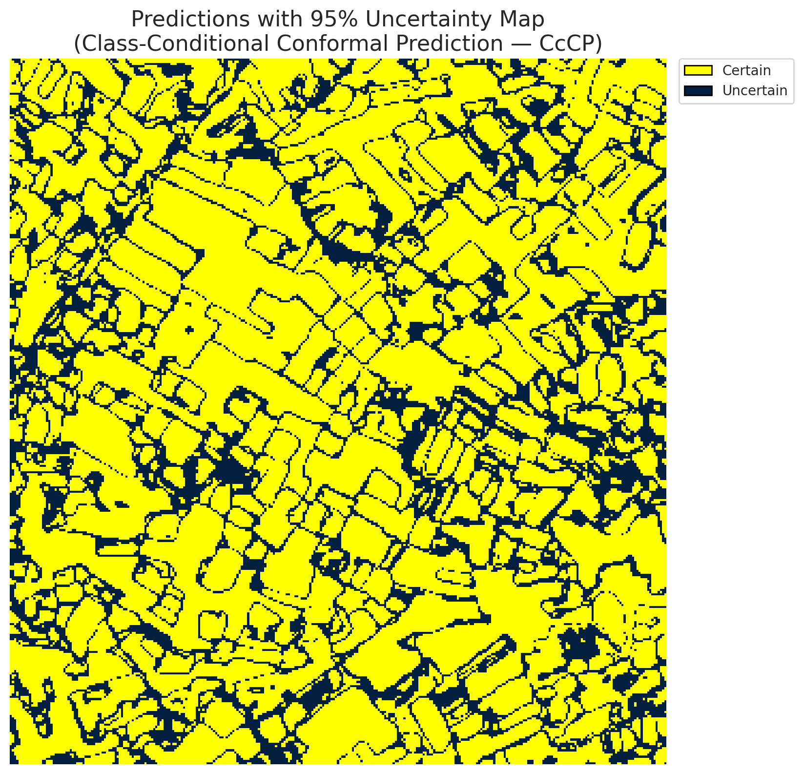
5 | Class 5 | 3359
6 | Class 6 | 1465
7 | Uncertain | 26648

Classwise q_hat
class_id | q_hat_classconditional
0 | 0.0011040340471
1 | 0.0065235063494
2 | 0.020212470563
3 | 0.021793210202
4 | 0.10208909844
5 | 0.012233974936
6 | 0.0080733714668

 |  |  |  |  |  |  |  |  | Class Map with Uncertain Mask
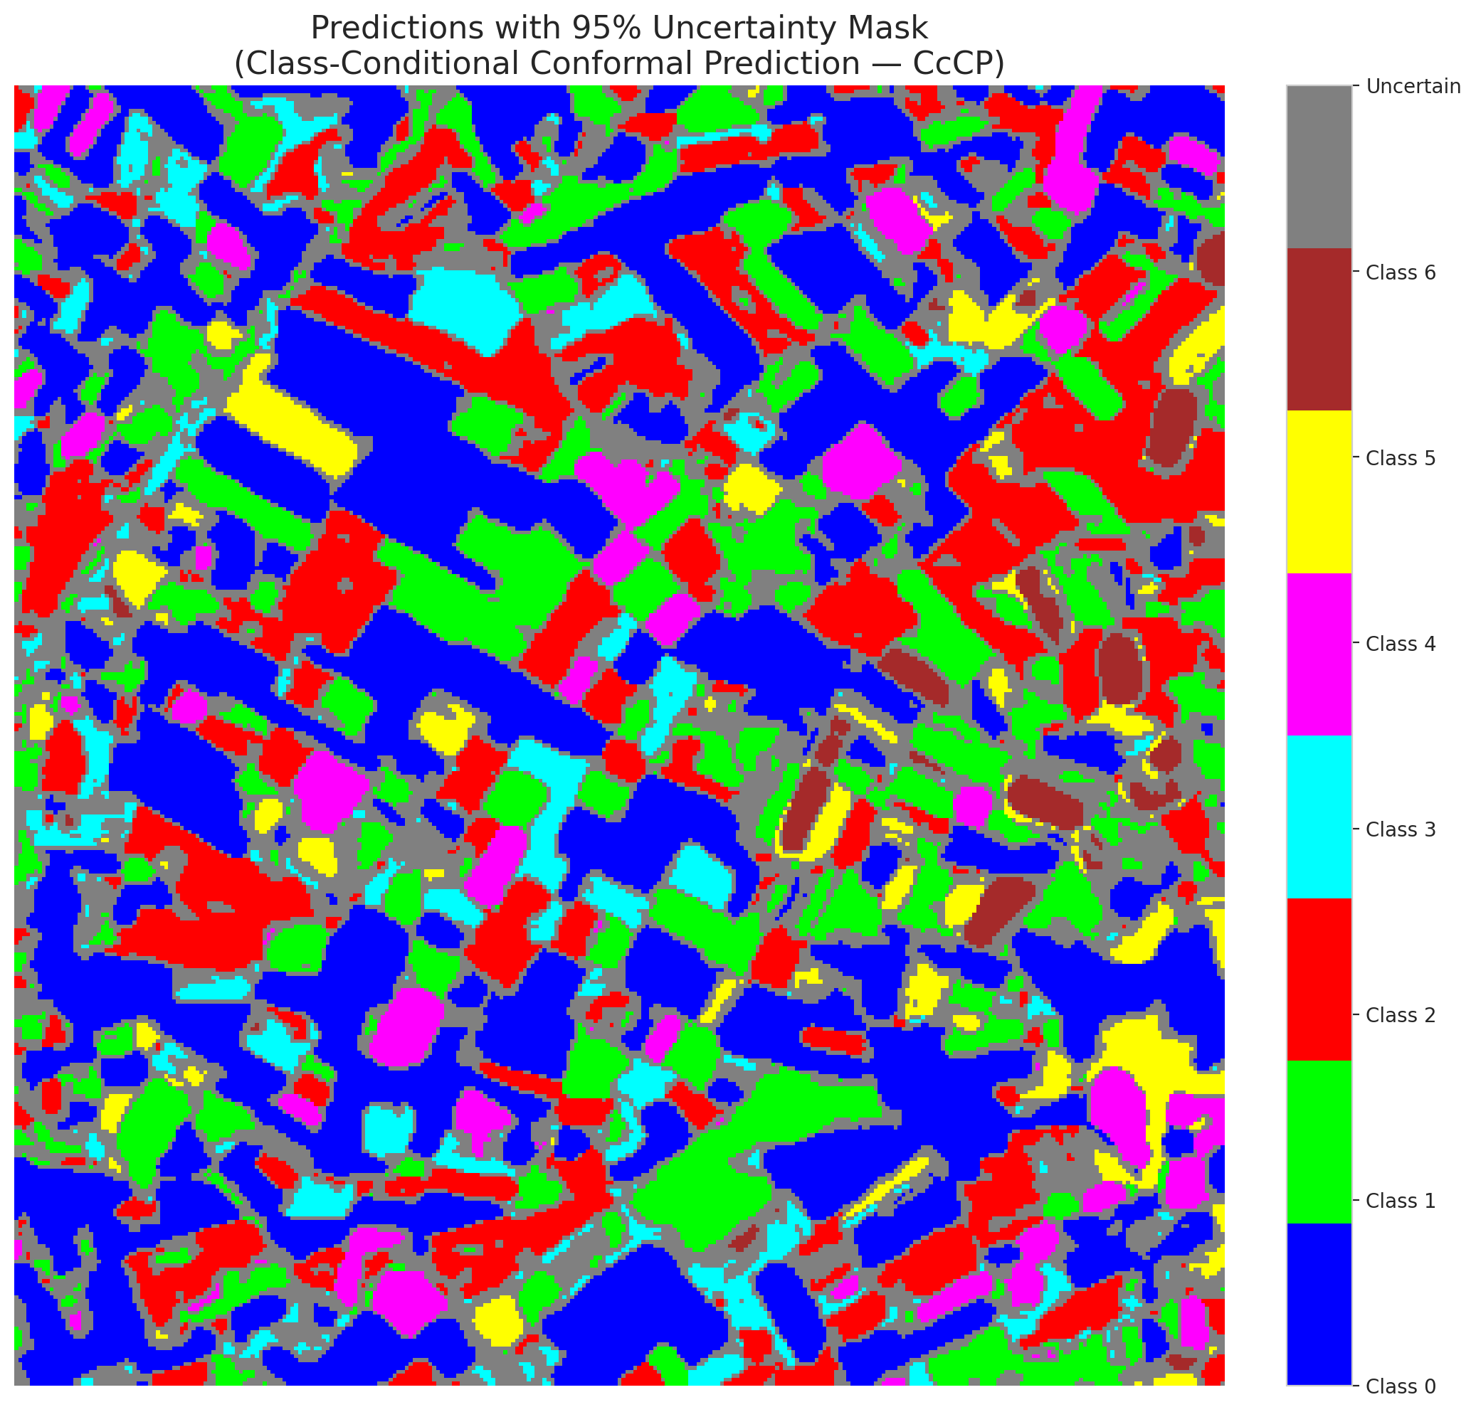

 |  |  |  |  |  |  |  |  | Pixel Counts

RC3P_AlexNet

RC3P - AlexNet |  |  |  |  |  |  |  |  | Per-Class Coverage
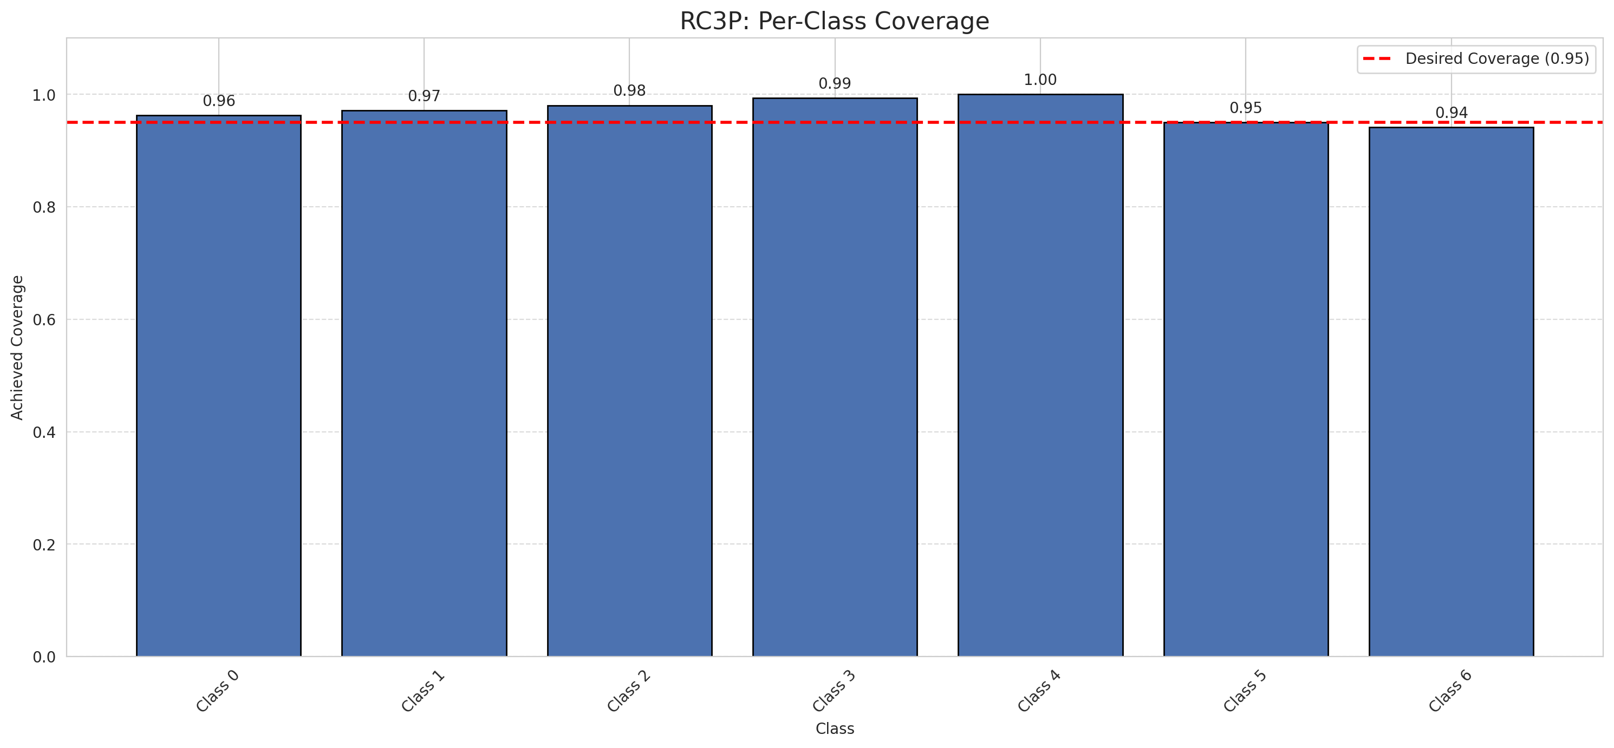
Summary
model_name | method | target_coverage | empirical_coverage | avg_set_size | median_set_size | singleton_rate | empty_set_rate | runtime_sec | alpha | lam | n_clusters | mean_per_class_coverage
AlexNet | RC3P | 0.95 | 0.97030162413 | 0.97030162413 | 1 | 0.97030162413 | 0.02969837587 | 1.591024203 | 0.05 |  |  | 0.97141067216

Per-Class Coverage Values
class_id | class_coverage | support_count
0 | 0.96280087527 | 914
1 | 0.97136563877 | 454
2 | 0.98044692737 | 358
3 | 0.99358974359 | 156
4 | 1 | 104
5 | 0.9504950495 | 101
6 | 0.94117647059 | 68

Pixel Counts
class_id | label | pixel_count
0 | Class 0 | 32287
1 | Class 1 | 13746
2 | Class 2 | 15729
3 | Class 3 | 4698
4 | Class 4 | 4721 |  |  |  |  |  |  | Certain vs Uncertain Map
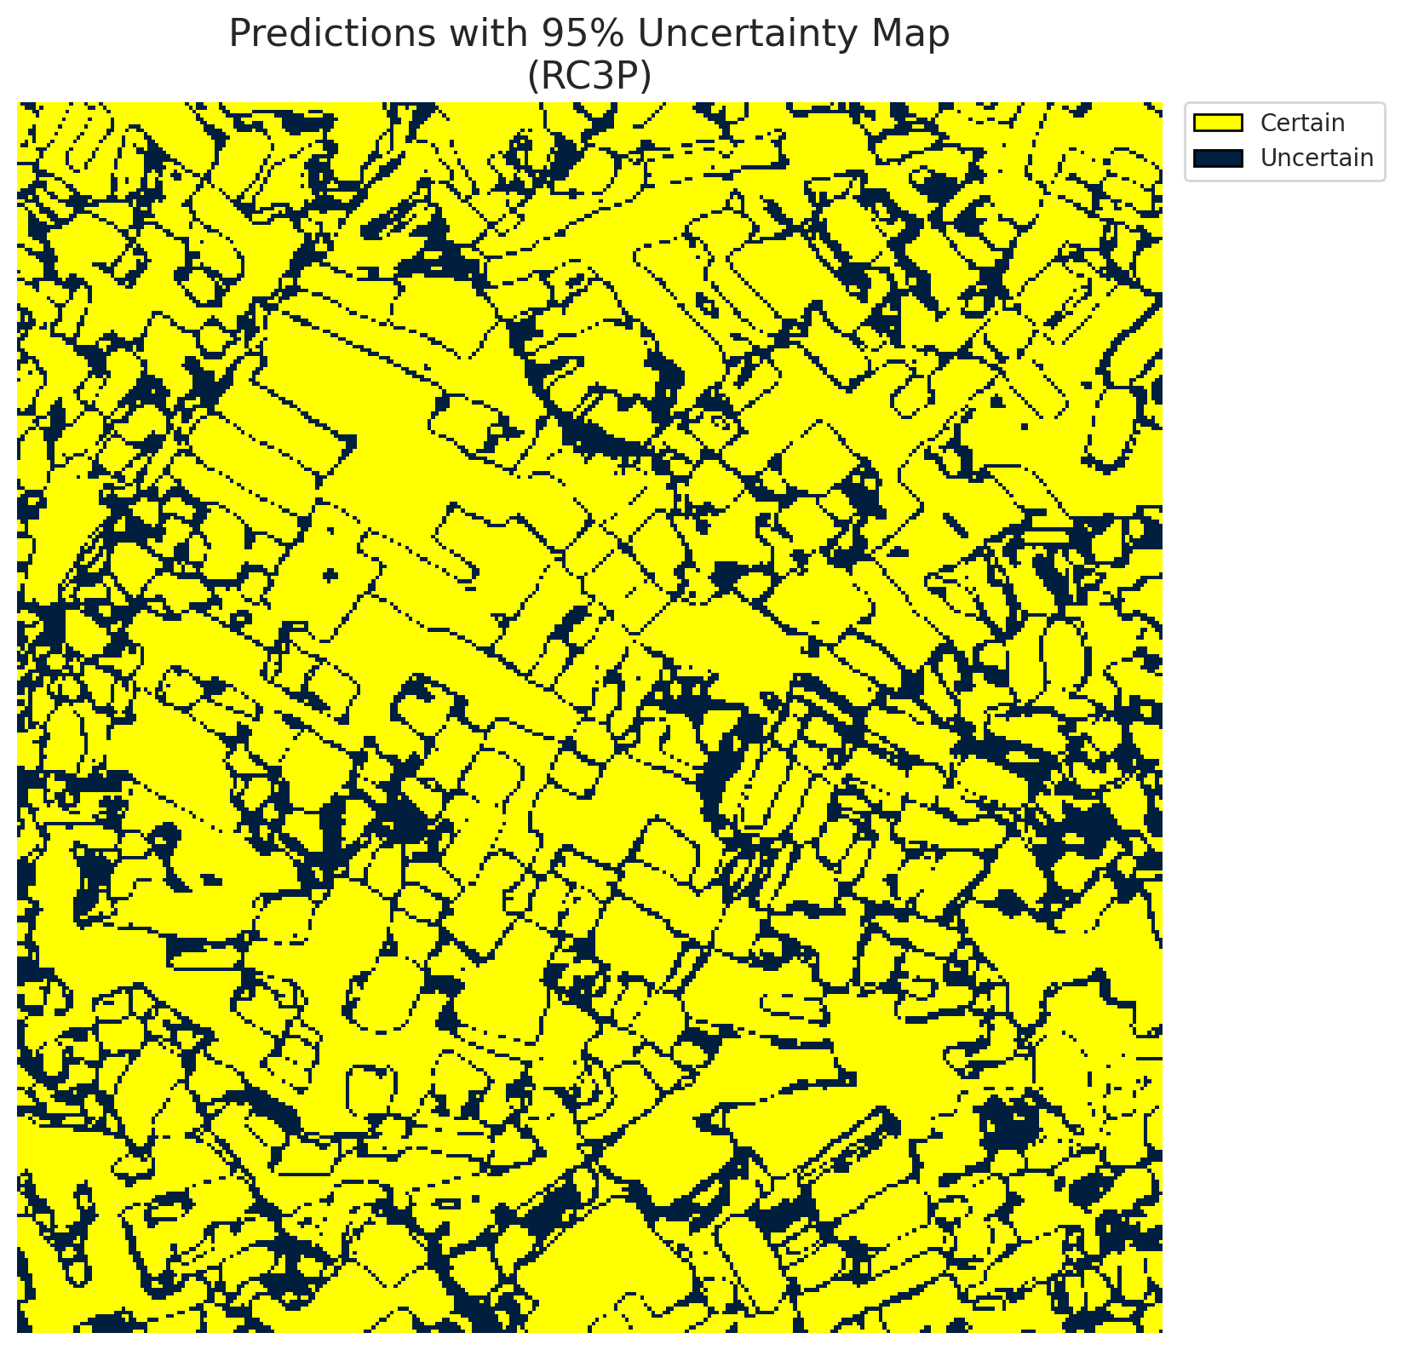
5 | Class 5 | 3667
6 | Class 6 | 1465
7 | Uncertain | 24997

RC3P Thresholds & Limits
class_id | q_hat_rc3p | suit_index_limit
0 | 0.0016325480867 | 1
1 | 0.0076949678678 | 1
2 | 0.024467569613 | 1
3 | 0.022715875727 | 1
4 | 0.33704136783 | 1
5 | 0.023110708203 | 1
6 | 0.0080733714668 | 1

 |  |  |  |  |  |  |  |  | Class Map with Uncertain Mask
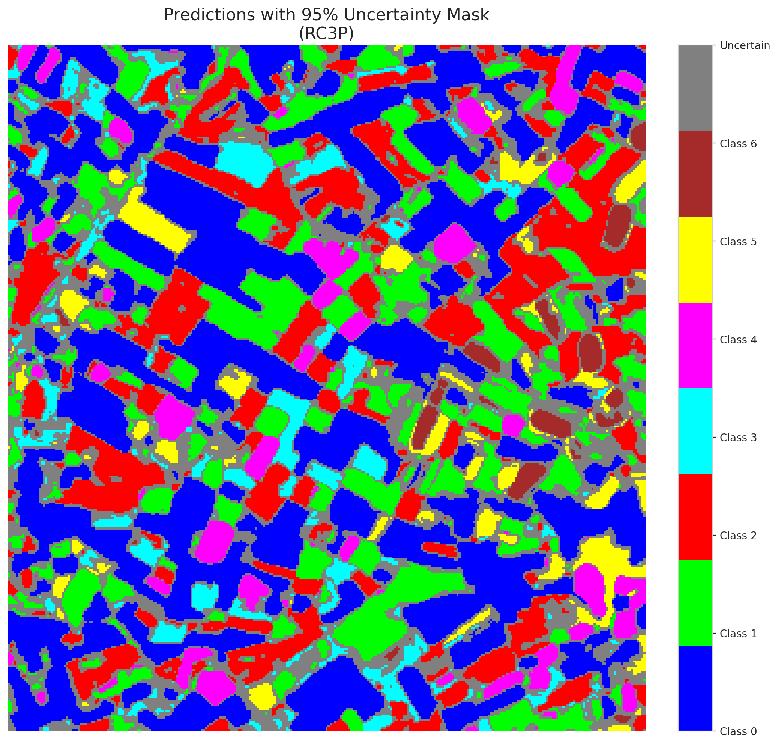

 |  |  |  |  |  |  |  |  | Pixel Counts

Clustered_AlexNet
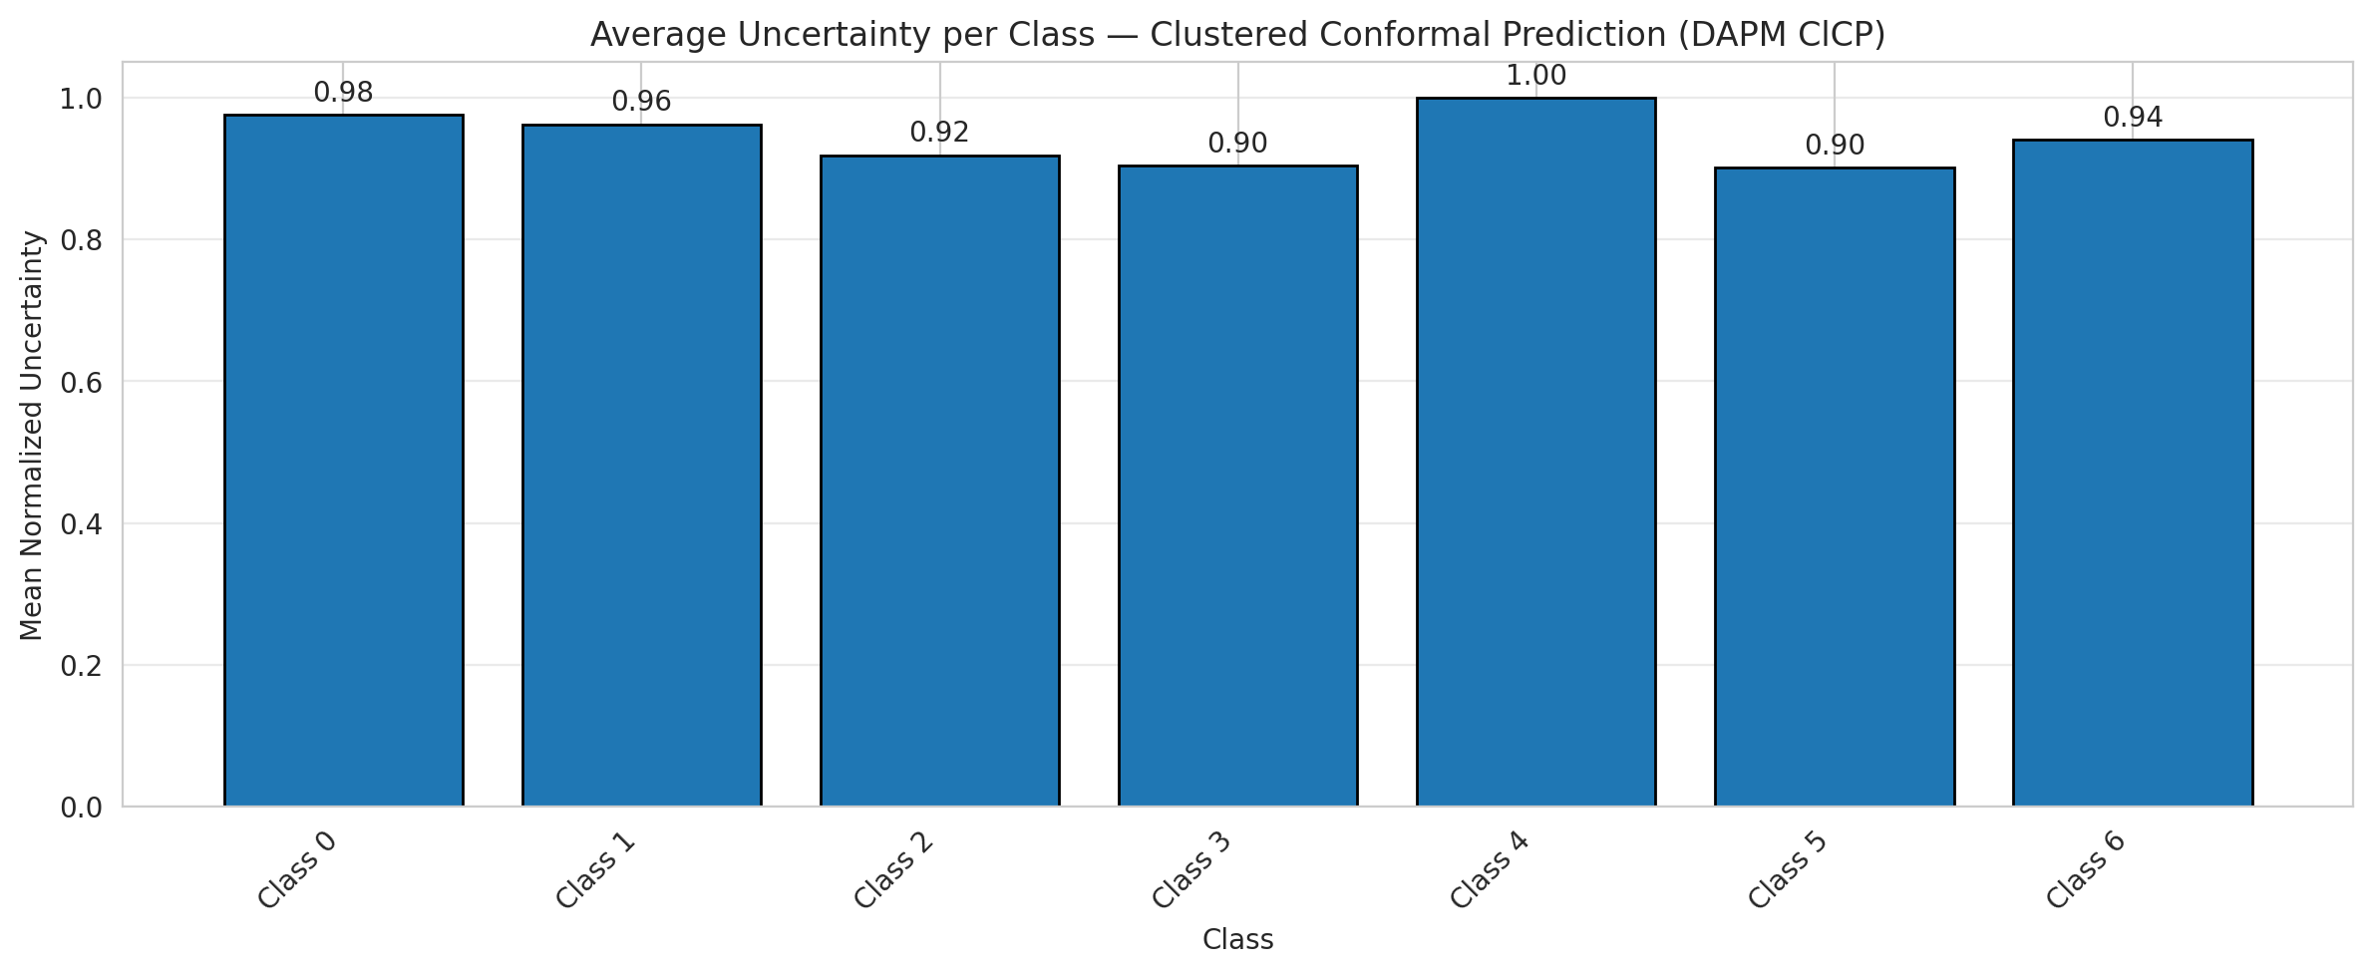
ClusteredConformal - AlexNet |  |  |  |  |  |  |  |  | Per-Class Coverage
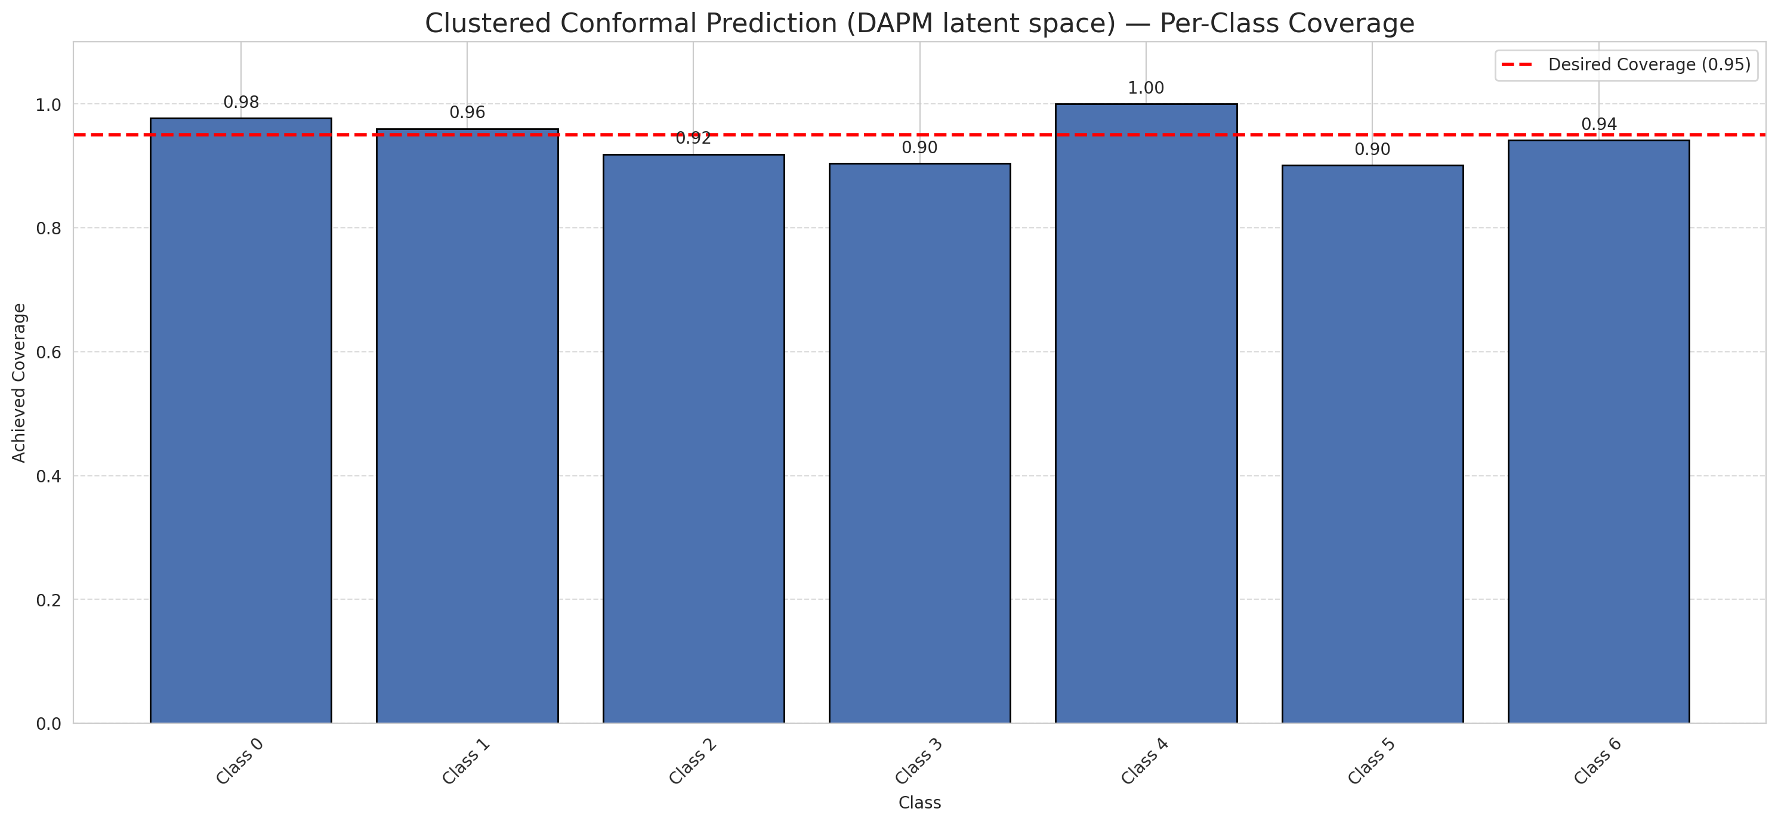
Summary
model_name | method | target_coverage | empirical_coverage | avg_set_size | median_set_size | singleton_rate | empty_set_rate | runtime_sec | alpha | lam | n_clusters | mean_per_class_coverage
AlexNet | ClusteredConformal | 0.95 | 0.95498839907 | 0.95498839907 | 1 | 0.95498839907 | 0.045011600928 | 1.580012239 | 0.05 |  | 4 | 0.9431976614

Per-Class Coverage Values
class_id | class_coverage | support_count
0 | 0.97702407002 | 914
1 | 0.96035242291 | 454
2 | 0.91899441341 | 358
3 | 0.90384615385 | 156
4 | 1 | 104
5 | 0.90099009901 | 101
6 | 0.94117647059 | 68

Class-to-Cluster Assignment
class_id | cluster_id
0 | 1
1 | 1
2 | 1
3 | 1
4 | 0 |  |  |  |  |  |  |  | Uncertainty Distribution
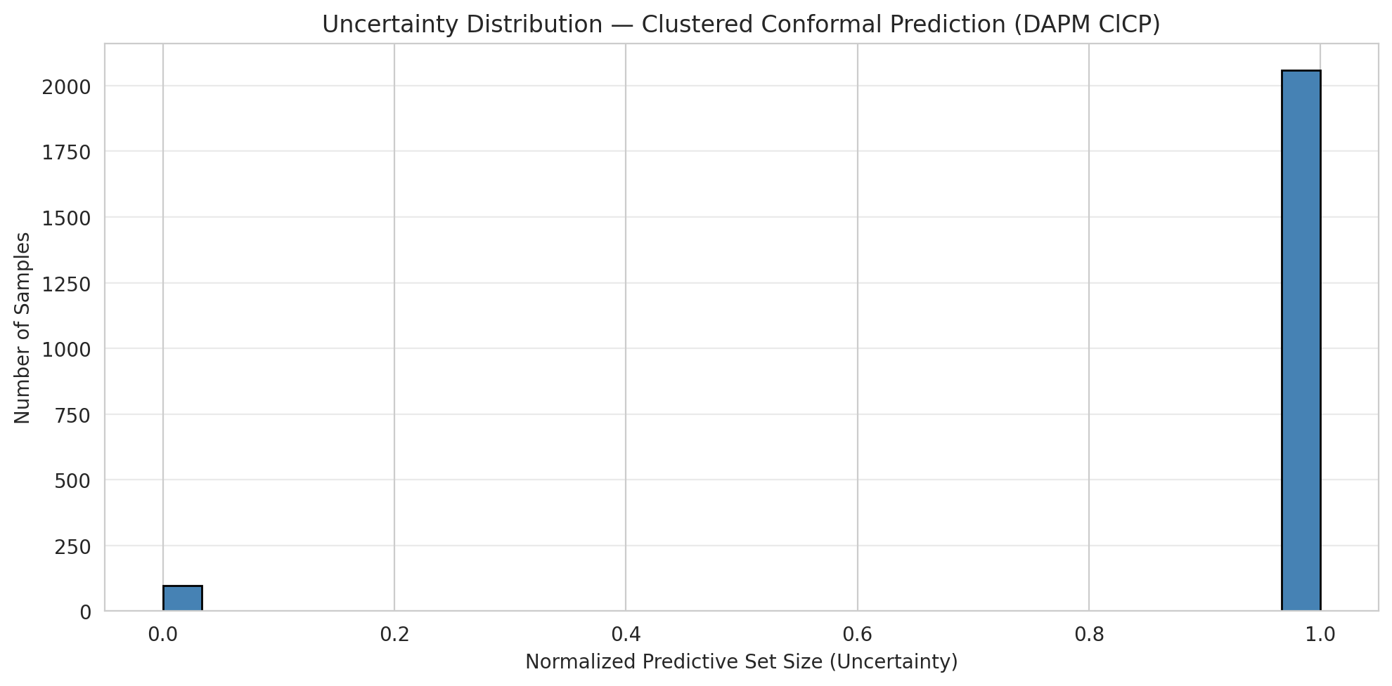
5 | 3
6 | 2

Cluster q_hat
cluster_id | q_hat_cluster
0 | 0.10208909844
1 | 0.0047623065679
2 | 0.0080733714668
3 | 0.012233974936

Cluster Mean Uncertainty
cluster | uncertainty
0 | 1
1 | 0.95589798087
2 | 0.94117647059
3 | 0.90099009901

Class Mean Uncertainty
class_id | uncertainty
0 | 0.97595628415
1 | 0.96247240618 |  |  |  |  |  |  |  | Avg Uncertainty per Cluster
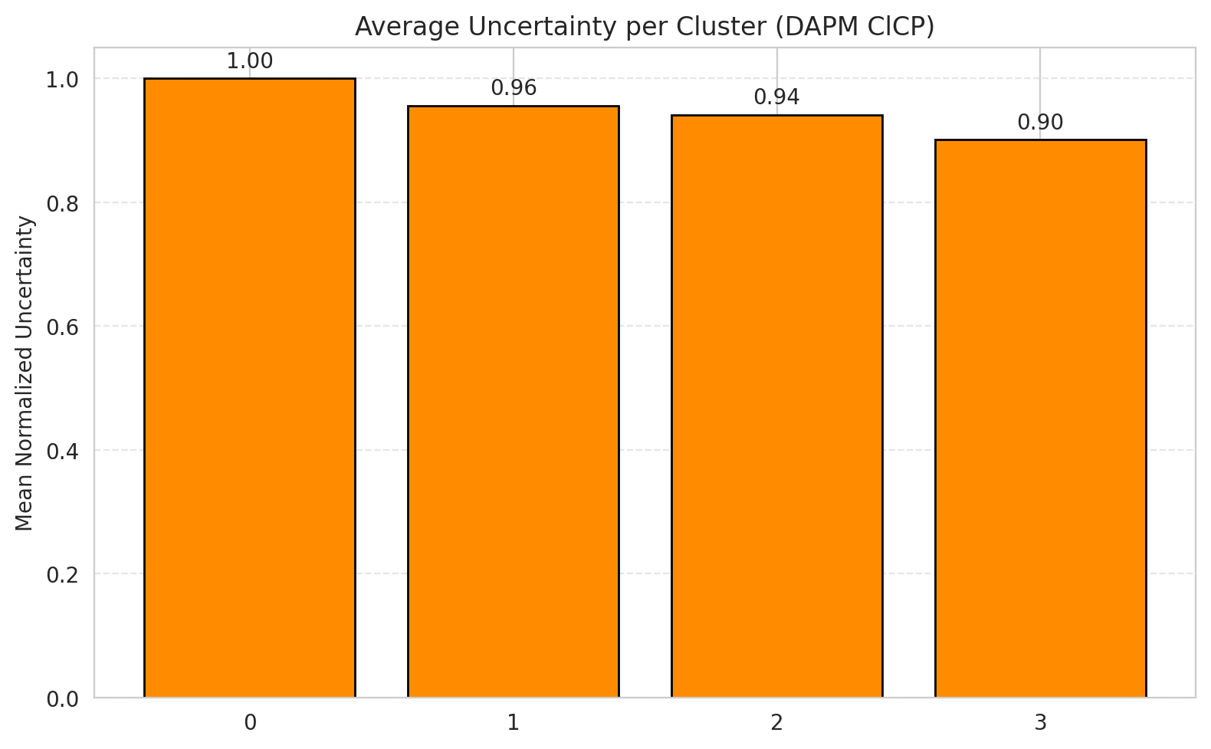
2 | 0.91899441341
3 | 0.90384615385
4 | 1
5 | 0.90099009901
6 | 0.94117647059

 |  |  |  |  |  |  |  |  | Avg Uncertainty per Class

RAPS_AlexNet
RAPS - AlexNet |  |  |  |  |  |  |  |  | Per-Class Coverage
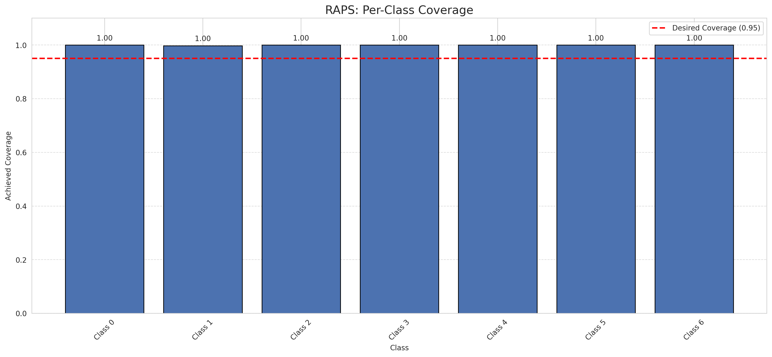
Summary
model_name | method | target_coverage | empirical_coverage | avg_set_size | median_set_size | singleton_rate | empty_set_rate | runtime_sec | alpha | lam | n_clusters | mean_per_class_coverage
AlexNet | RAPS | 0.95 | 0.99953596288 | 1 | 1 | 1 | 0 | 0.375445606 | 0.05 | 0.01 |  | 0.99968533669

Per-Class Coverage Values
class_id | class_coverage | support_count
0 | 1 | 914
1 | 0.99779735683 | 454
2 | 1 | 358
3 | 1 | 156
4 | 1 | 104
5 | 1 | 101
6 | 1 | 68

RAPS Parameters
q_hat_raps | lambda | k_reg
0 | 0.01 | 1

Split_GFNet
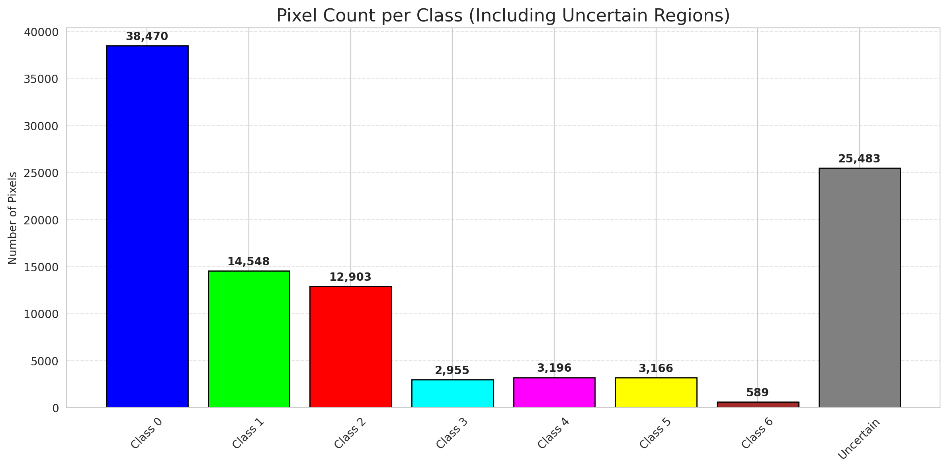
SplitConformal - GFNet |  |  |  |  |  |  |  |  | Per-Class Coverage
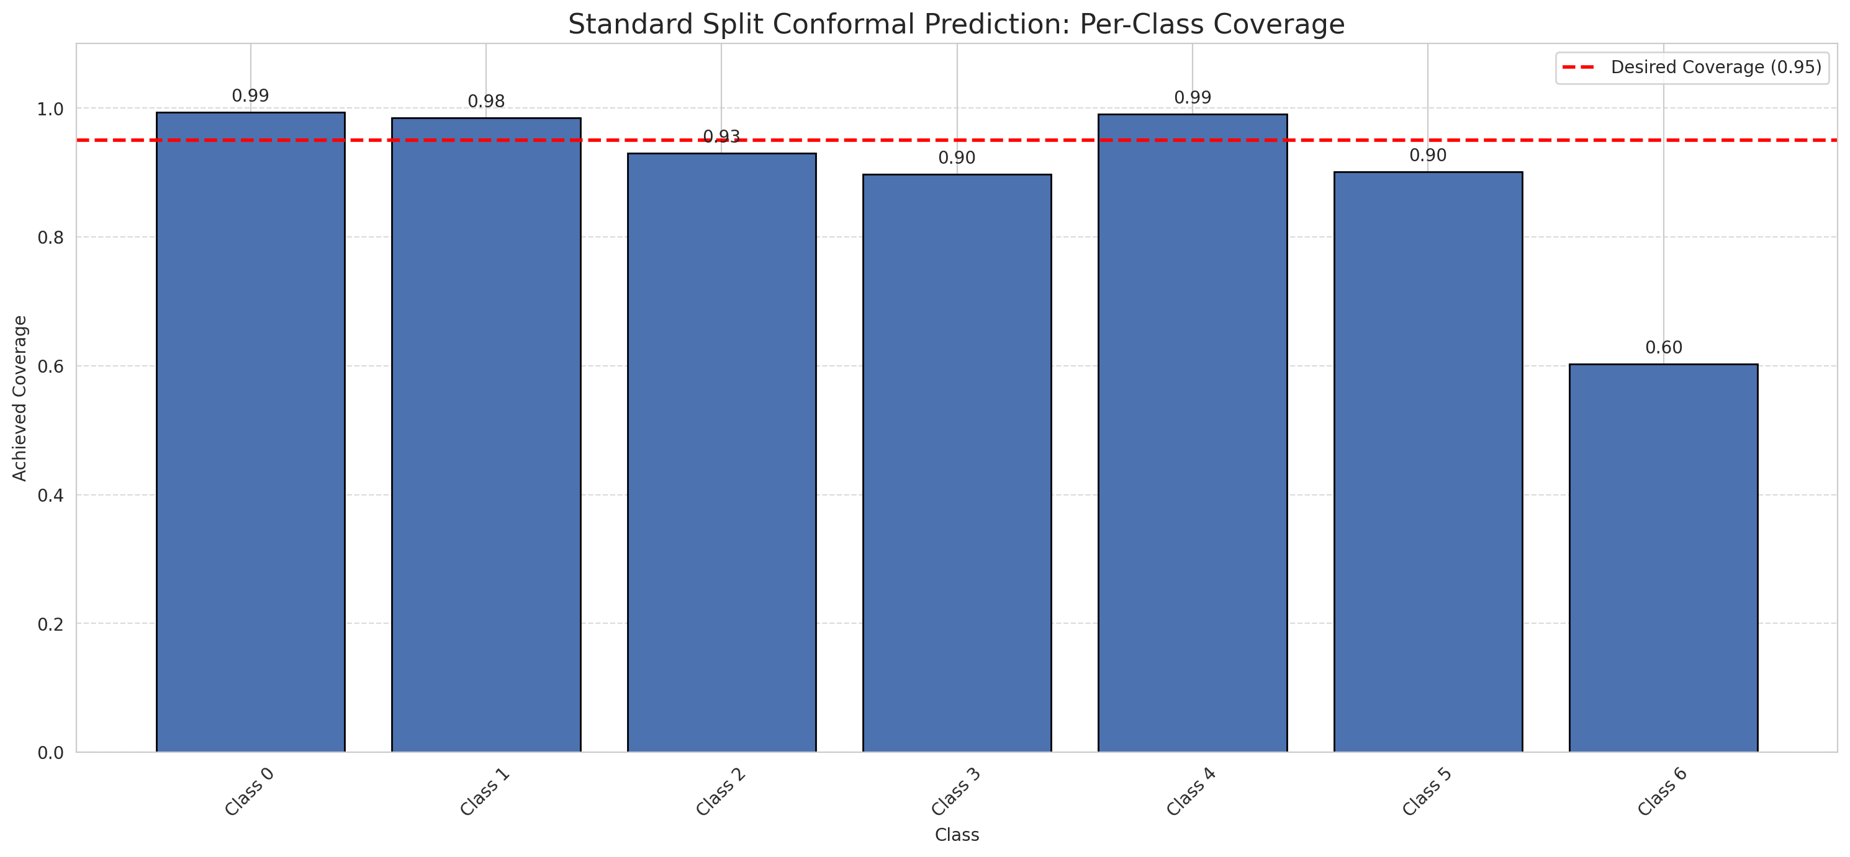
Summary
model_name | method | target_coverage | empirical_coverage | avg_set_size | median_set_size | singleton_rate | empty_set_rate | runtime_sec | alpha | lam | n_clusters | mean_per_class_coverage
GFNet | SplitConformal | 0.95 | 0.95730858469 | 0.95730858469 | 1 | 0.95730858469 | 0.042691415313 | 2.168042432 | 0.05 |  |  | 0.89999090463

Per-Class Coverage Values
class_id | class_coverage | support_count
0 | 0.99343544858 | 914
1 | 0.9845814978 | 454
2 | 0.93016759777 | 358
3 | 0.89743589744 | 156
4 | 0.99038461538 | 104
5 | 0.90099009901 | 101
6 | 0.60294117647 | 68

Pixel Counts
class_id | label | pixel_count
0 | Class 0 | 38470
1 | Class 1 | 14548
2 | Class 2 | 12903
3 | Class 3 | 2955
4 | Class 4 | 3196 |  |  |  |  |  |  | Certain vs Uncertain Map
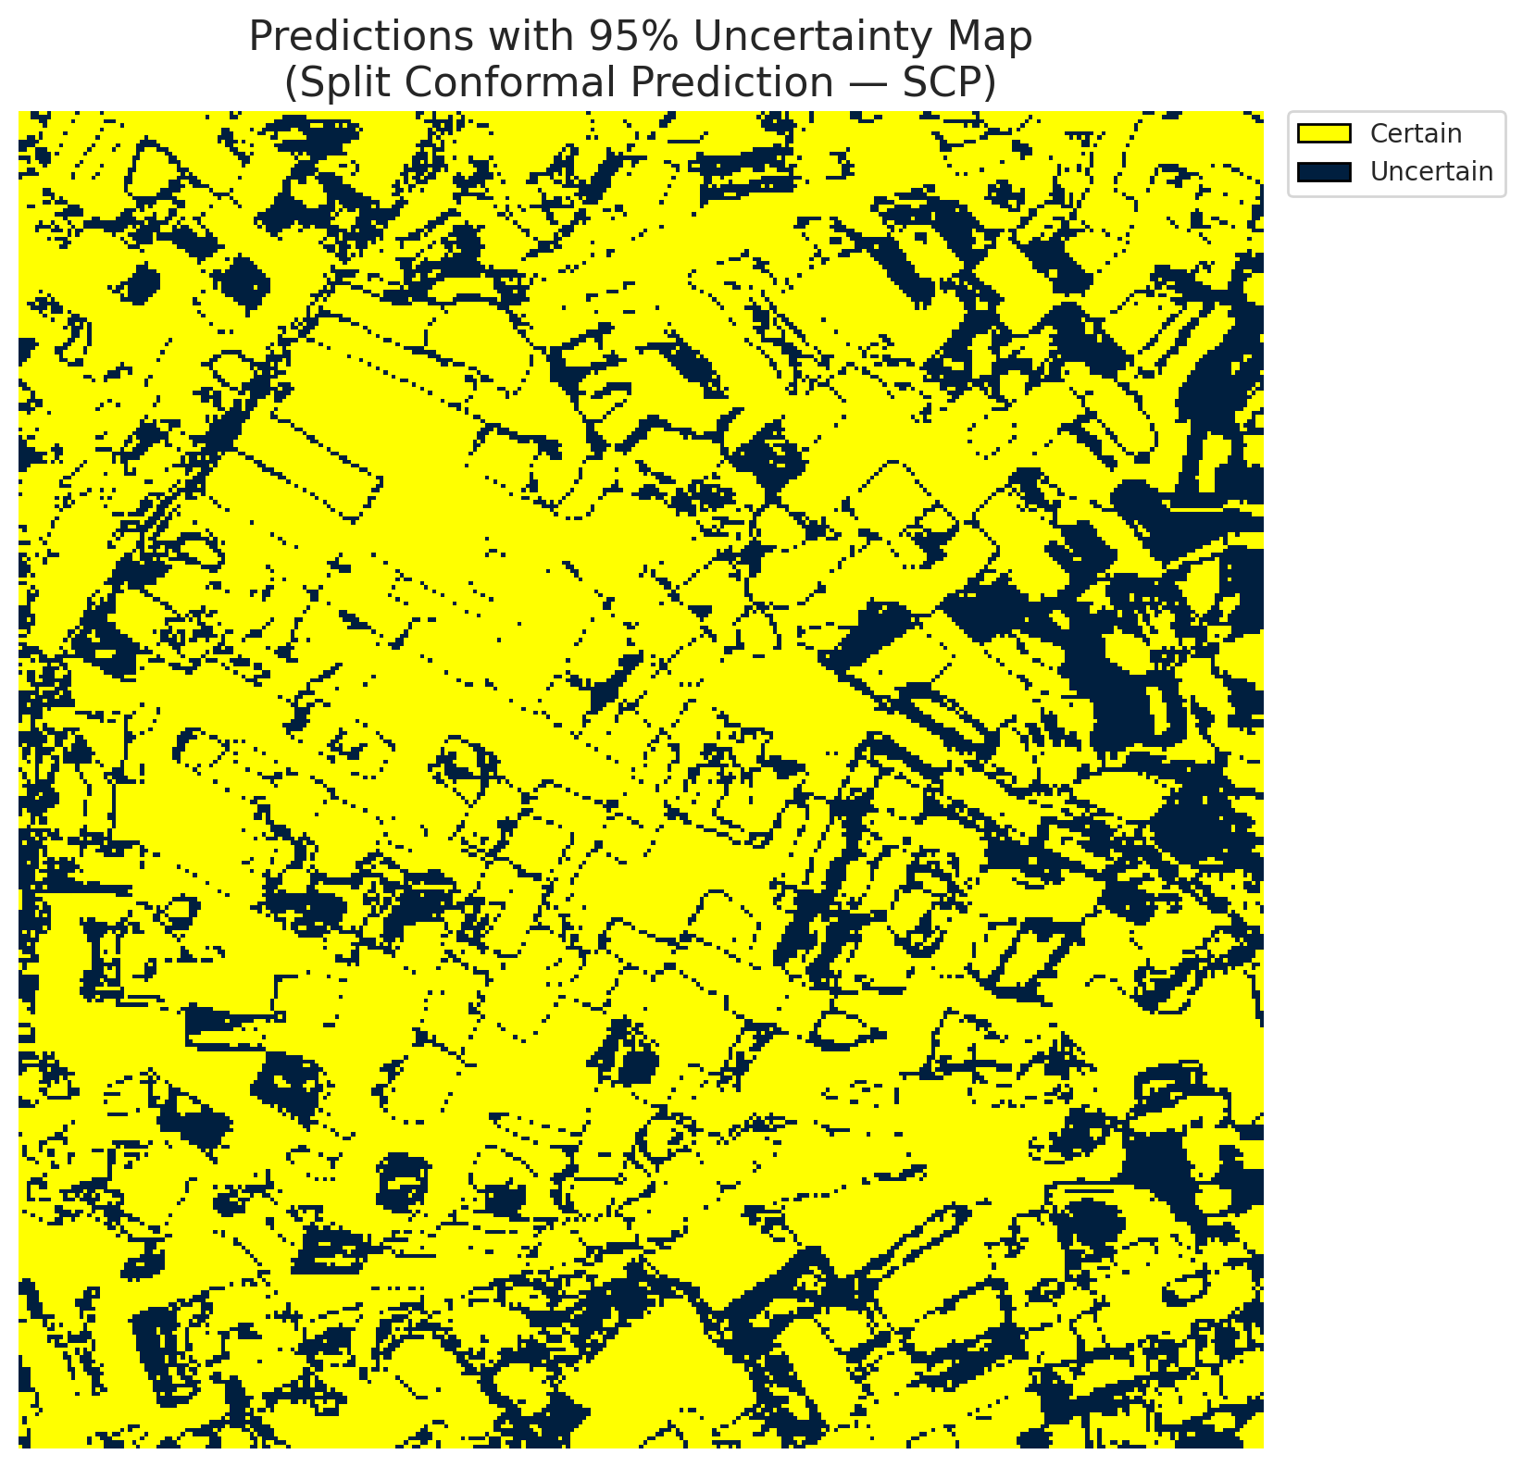
5 | Class 5 | 3166
6 | Class 6 | 589
7 | Uncertain | 25483

Threshold
q_hat_split
0.00080706192201

 |  |  |  |  |  |  |  |  | Class Map with Uncertain Mask
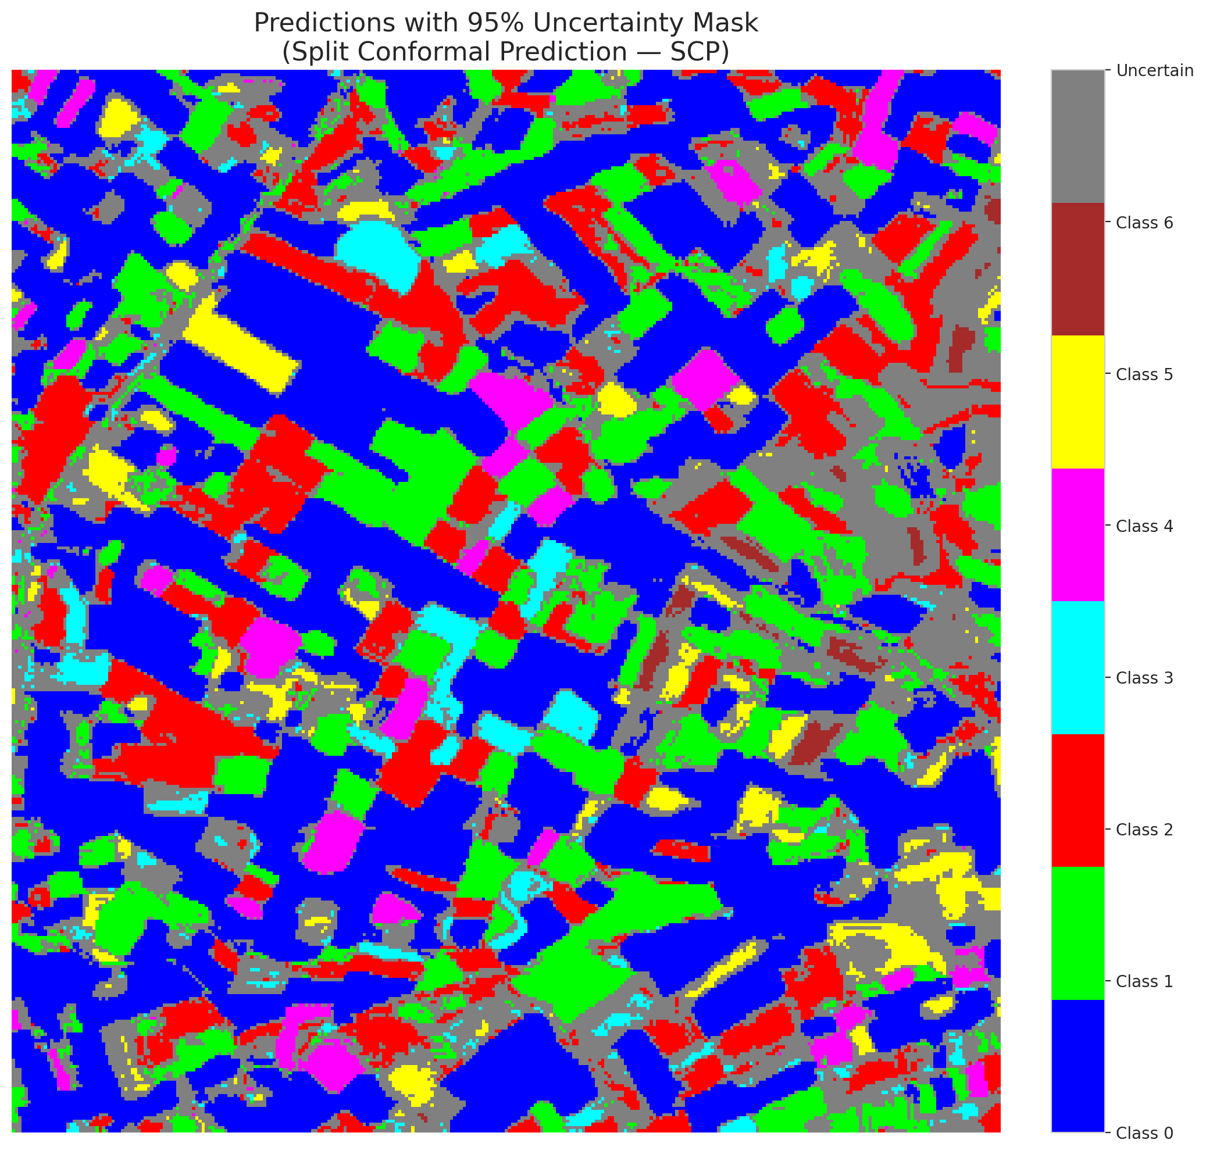

 |  |  |  |  |  |  |  |  | Pixel Counts

ClassCond_GFNet
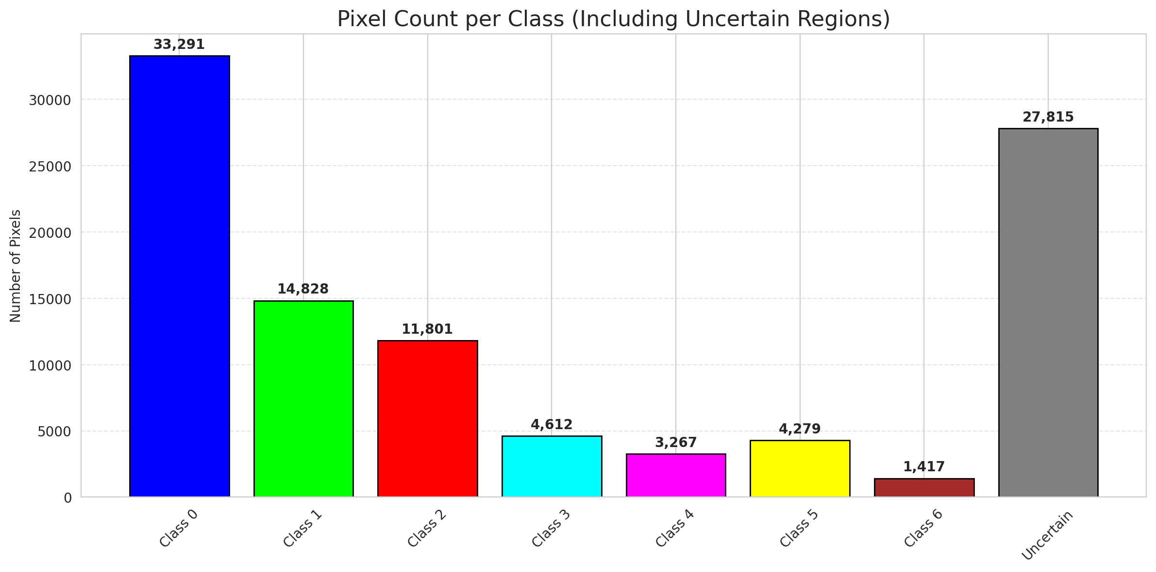
ClassConditionalConformal - GFNet |  |  |  |  |  |  |  |  | Per-Class Coverage
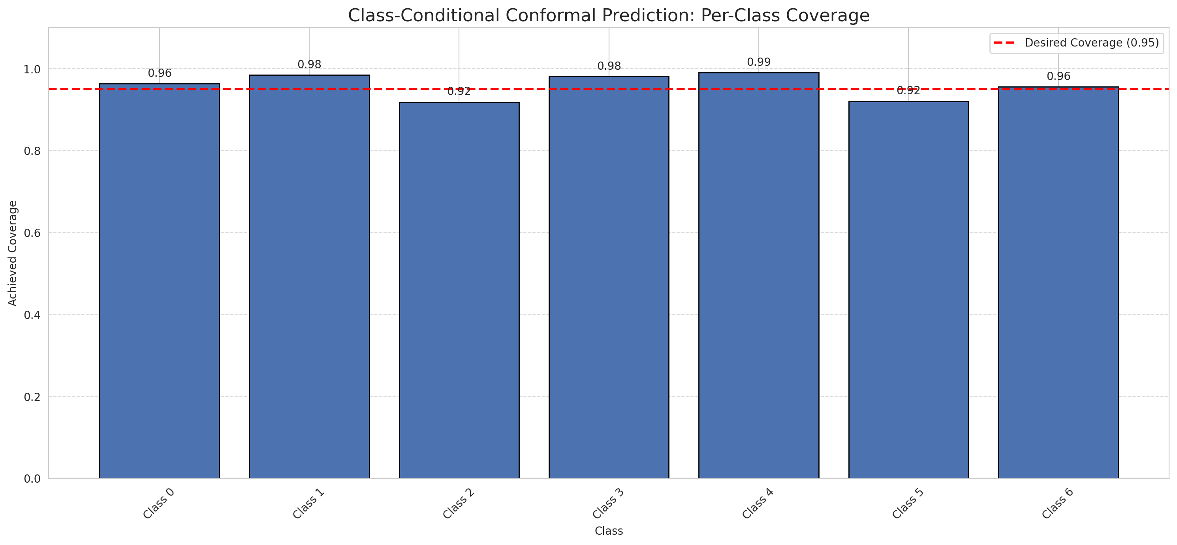
Summary
model_name | method | target_coverage | empirical_coverage | avg_set_size | median_set_size | singleton_rate | empty_set_rate | runtime_sec | alpha | lam | n_clusters | mean_per_class_coverage
GFNet | ClassConditionalConformal | 0.95 | 0.96102088167 | 0.96194895592 | 1 | 0.96194895592 | 0.038051044084 | 1.461619876 | 0.05 |  |  | 0.95932845096

Per-Class Coverage Values
class_id | class_coverage | support_count
0 | 0.96389496718 | 914
1 | 0.9845814978 | 454
2 | 0.91899441341 | 358
3 | 0.98076923077 | 156
4 | 0.99038461538 | 104
5 | 0.92079207921 | 101
6 | 0.95588235294 | 68

Pixel Counts
class_id | label | pixel_count
0 | Class 0 | 33291
1 | Class 1 | 14828
2 | Class 2 | 11801
3 | Class 3 | 4612
4 | Class 4 | 3267 |  |  |  |  |  |  | Certain vs Uncertain Map
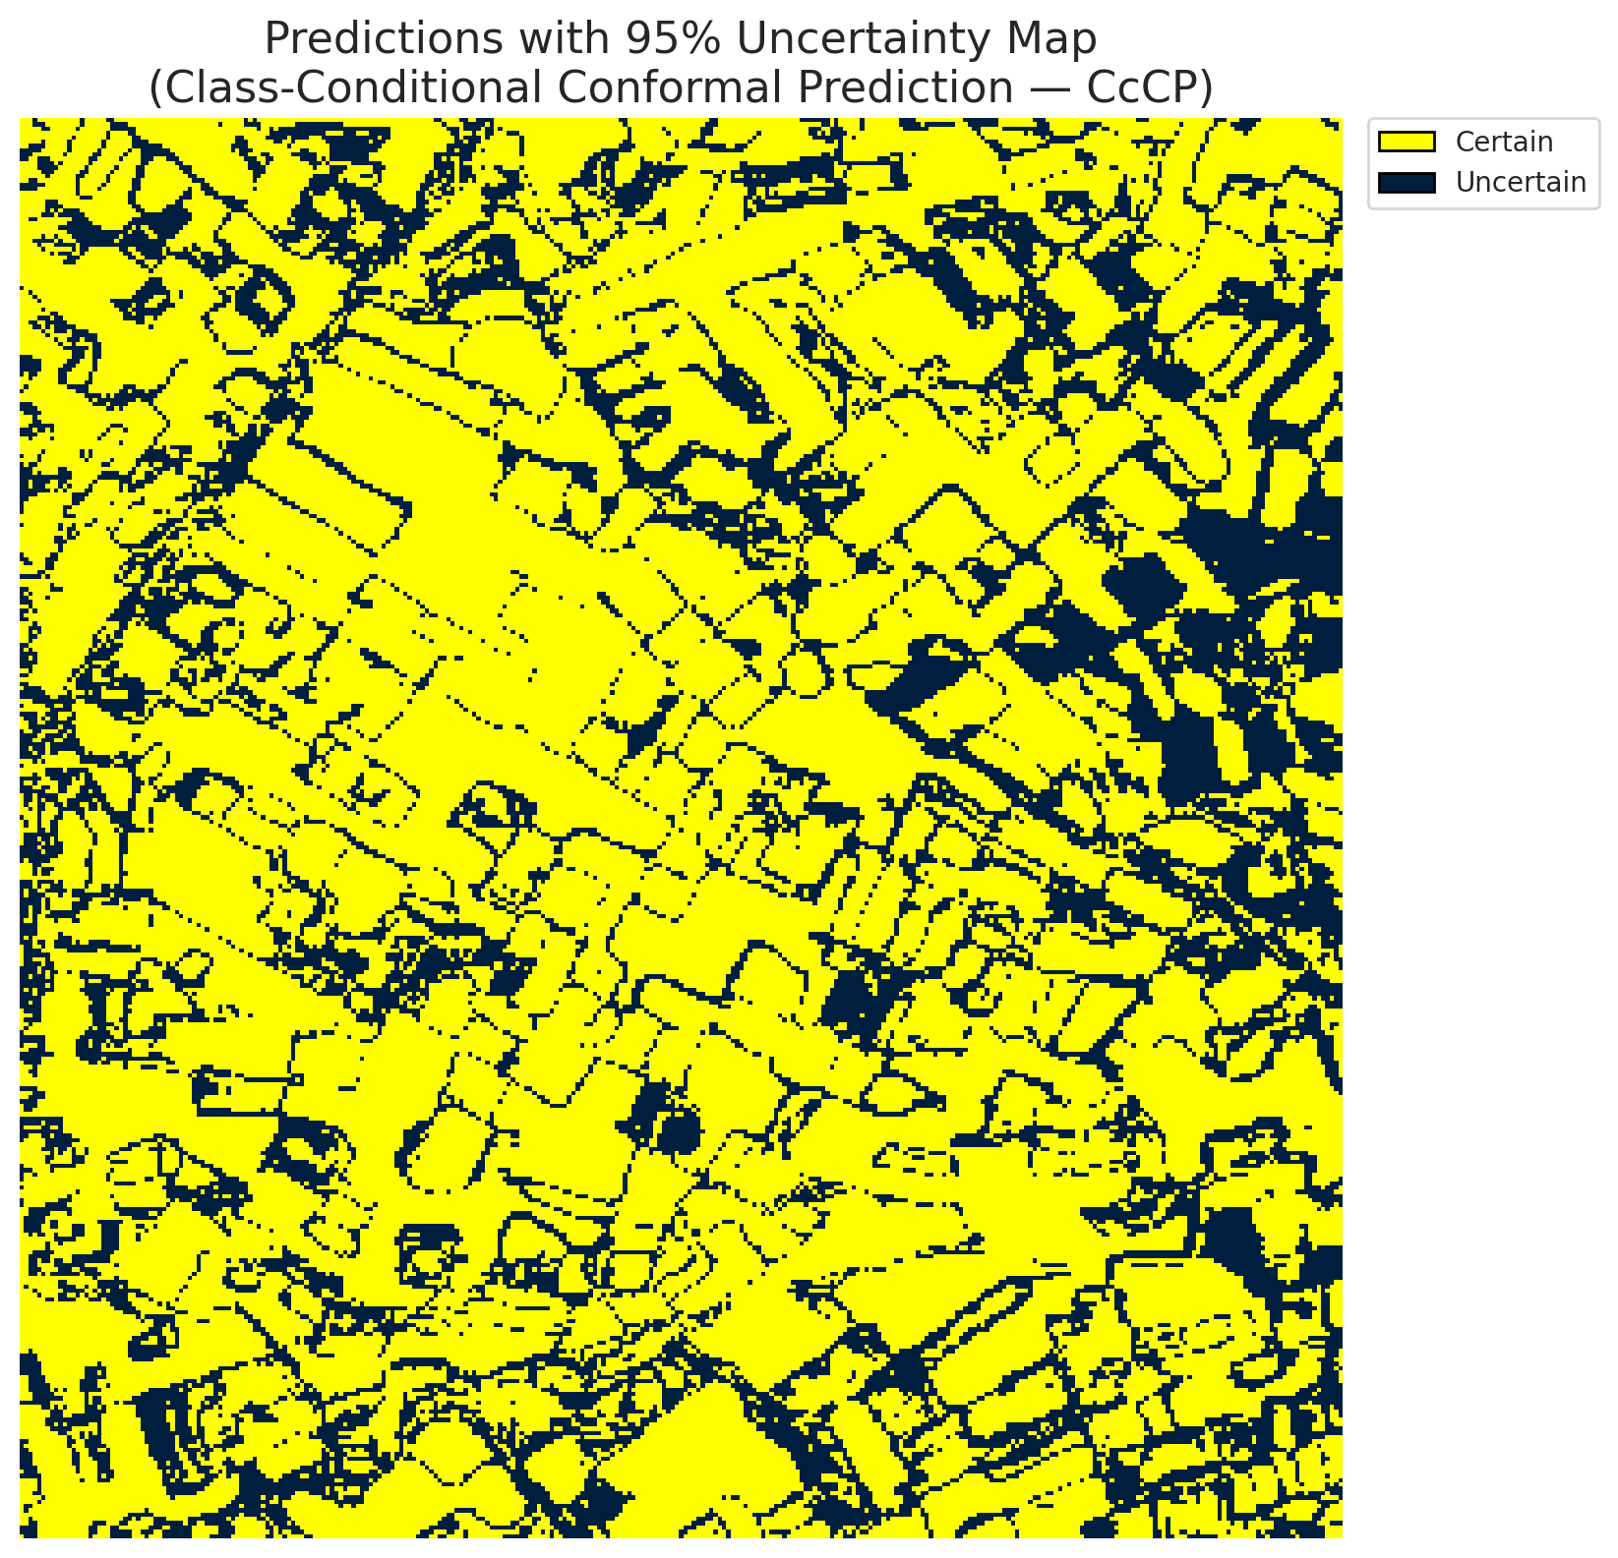
5 | Class 5 | 4279
6 | Class 6 | 1417
7 | Uncertain | 27815

Classwise q_hat
class_id | q_hat_classconditional
0 | 0.00012045702954
1 | 0.00098159565234
2 | 0.00051572304911
3 | 0.021705121792
4 | 0.00092676115027
5 | 0.0019647014569
6 | 0.018295499505

 |  |  |  |  |  |  |  |  | Class Map with Uncertain Mask
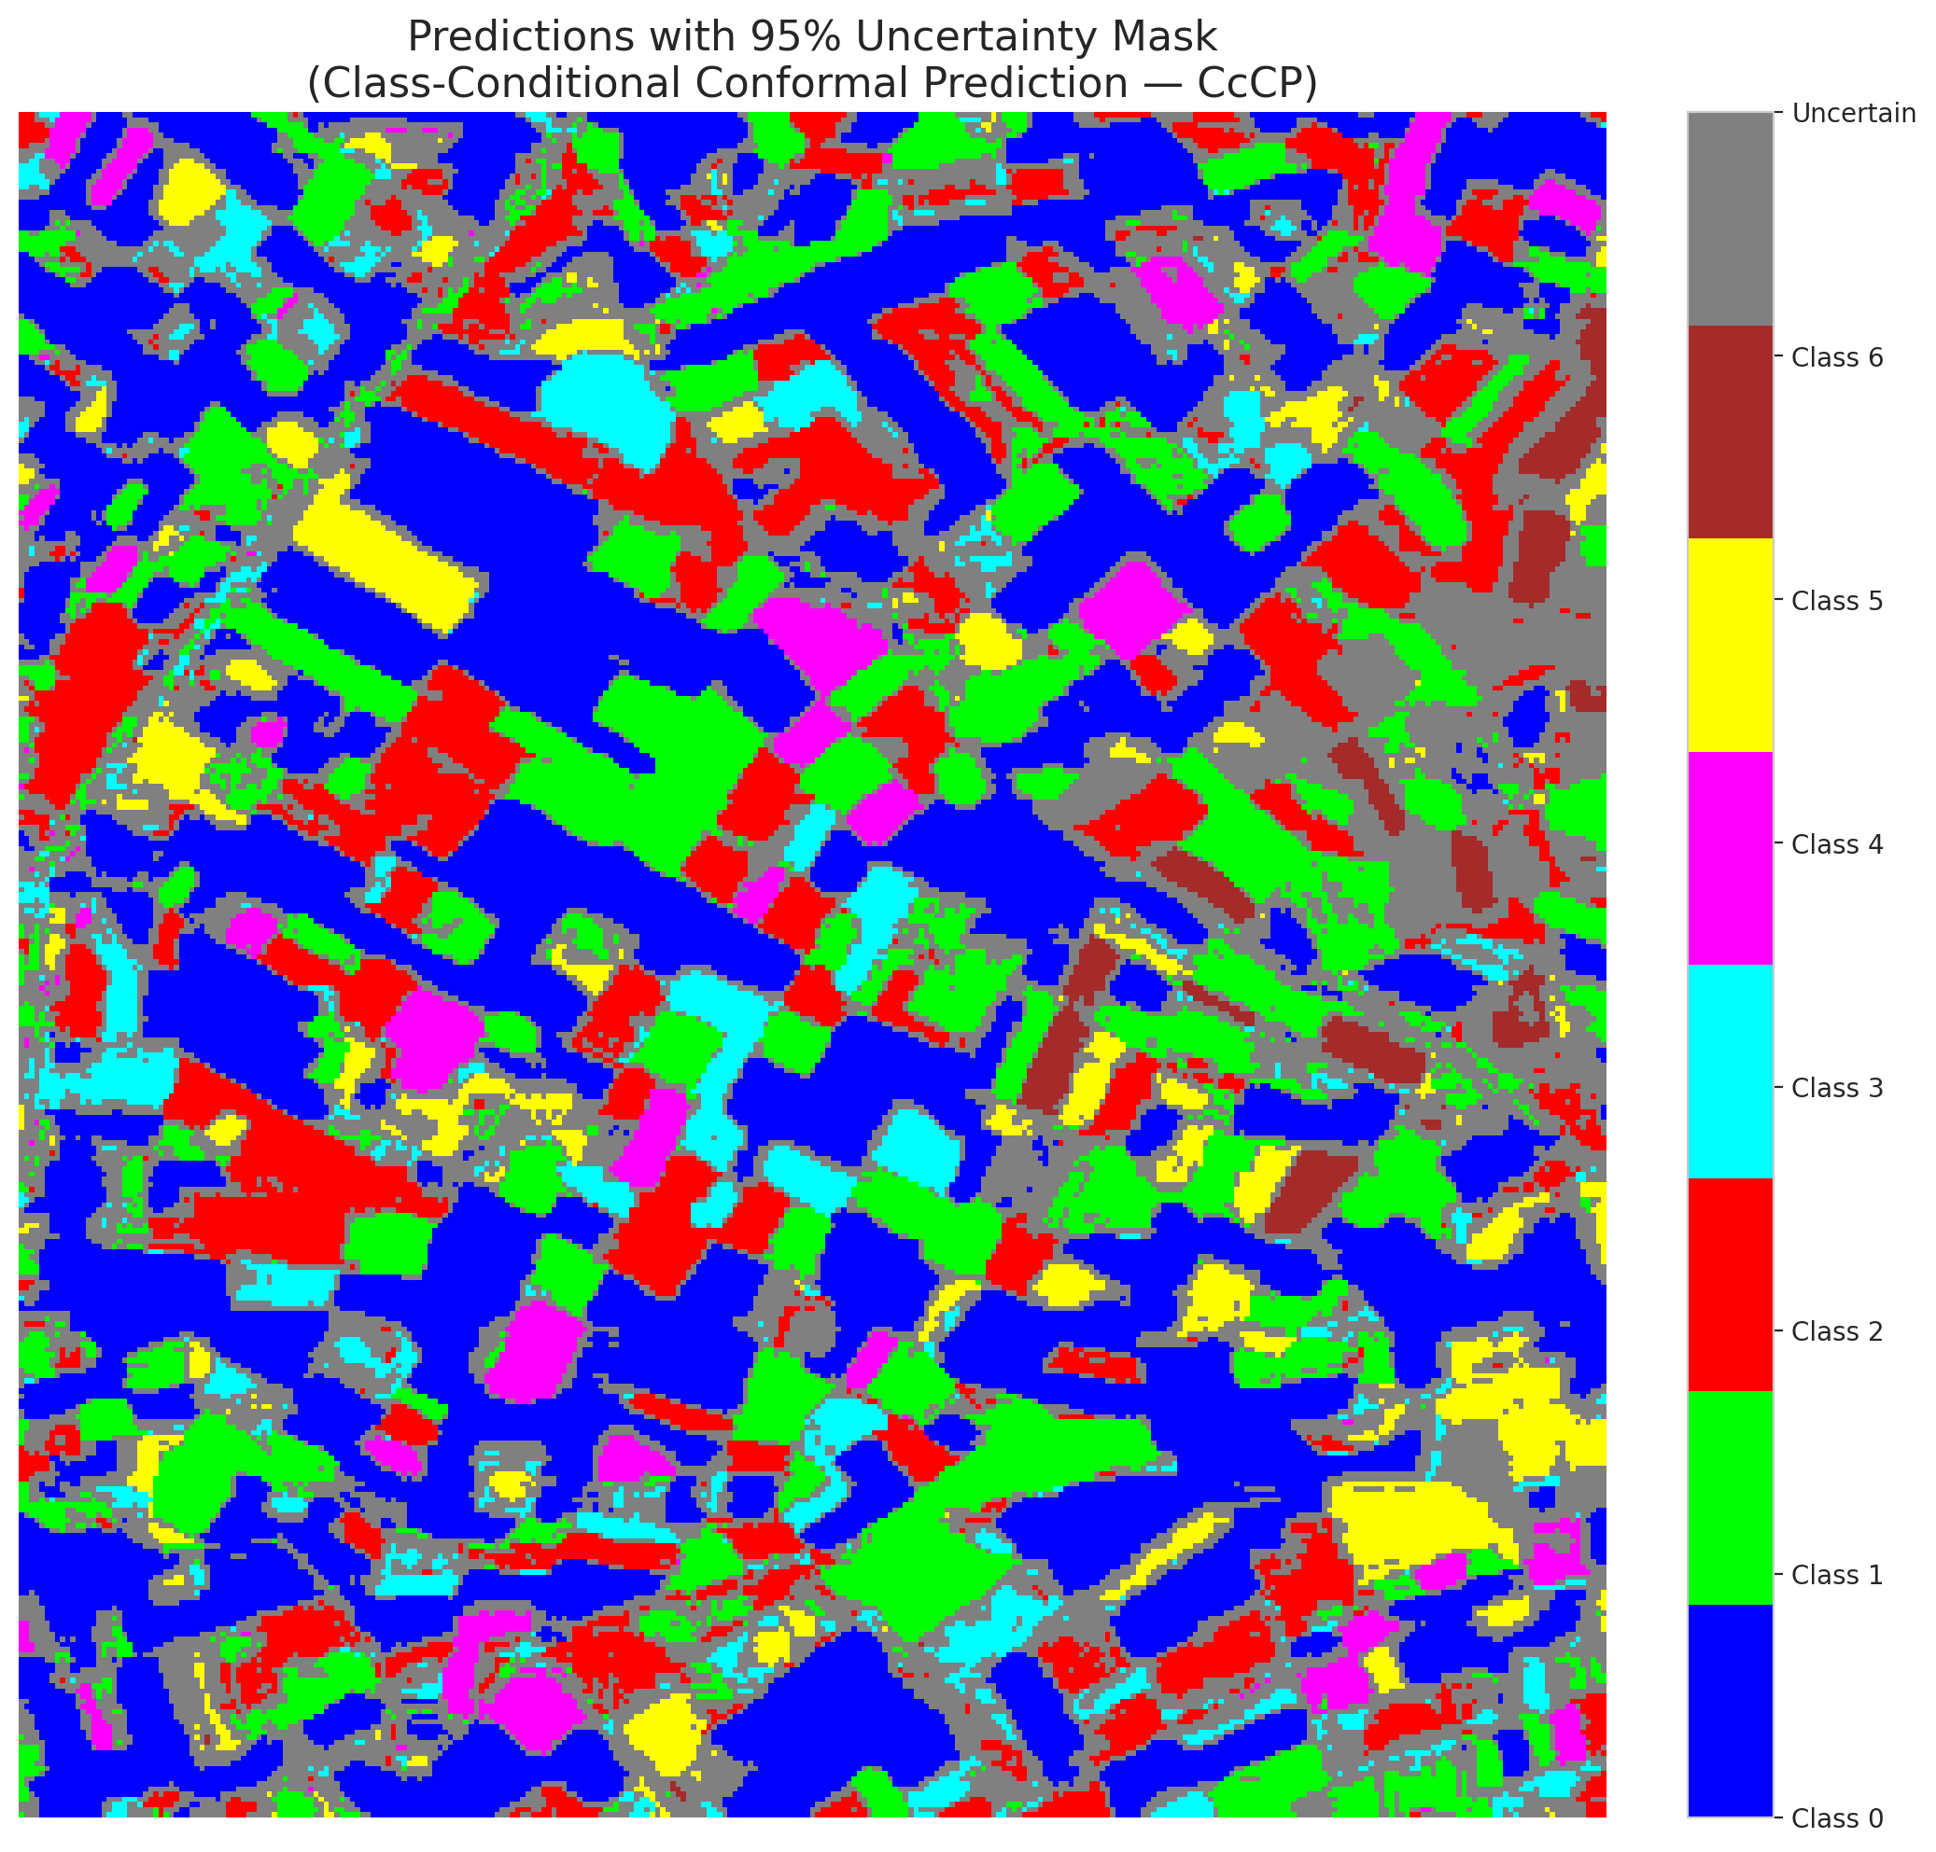

 |  |  |  |  |  |  |  |  | Pixel Counts

RC3P_GFNet
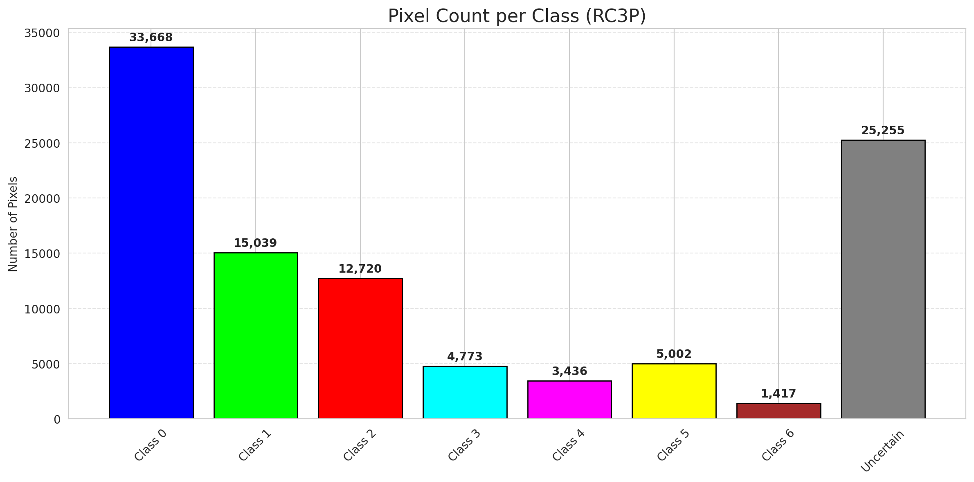
RC3P - GFNet |  |  |  |  |  |  |  |  | Per-Class Coverage
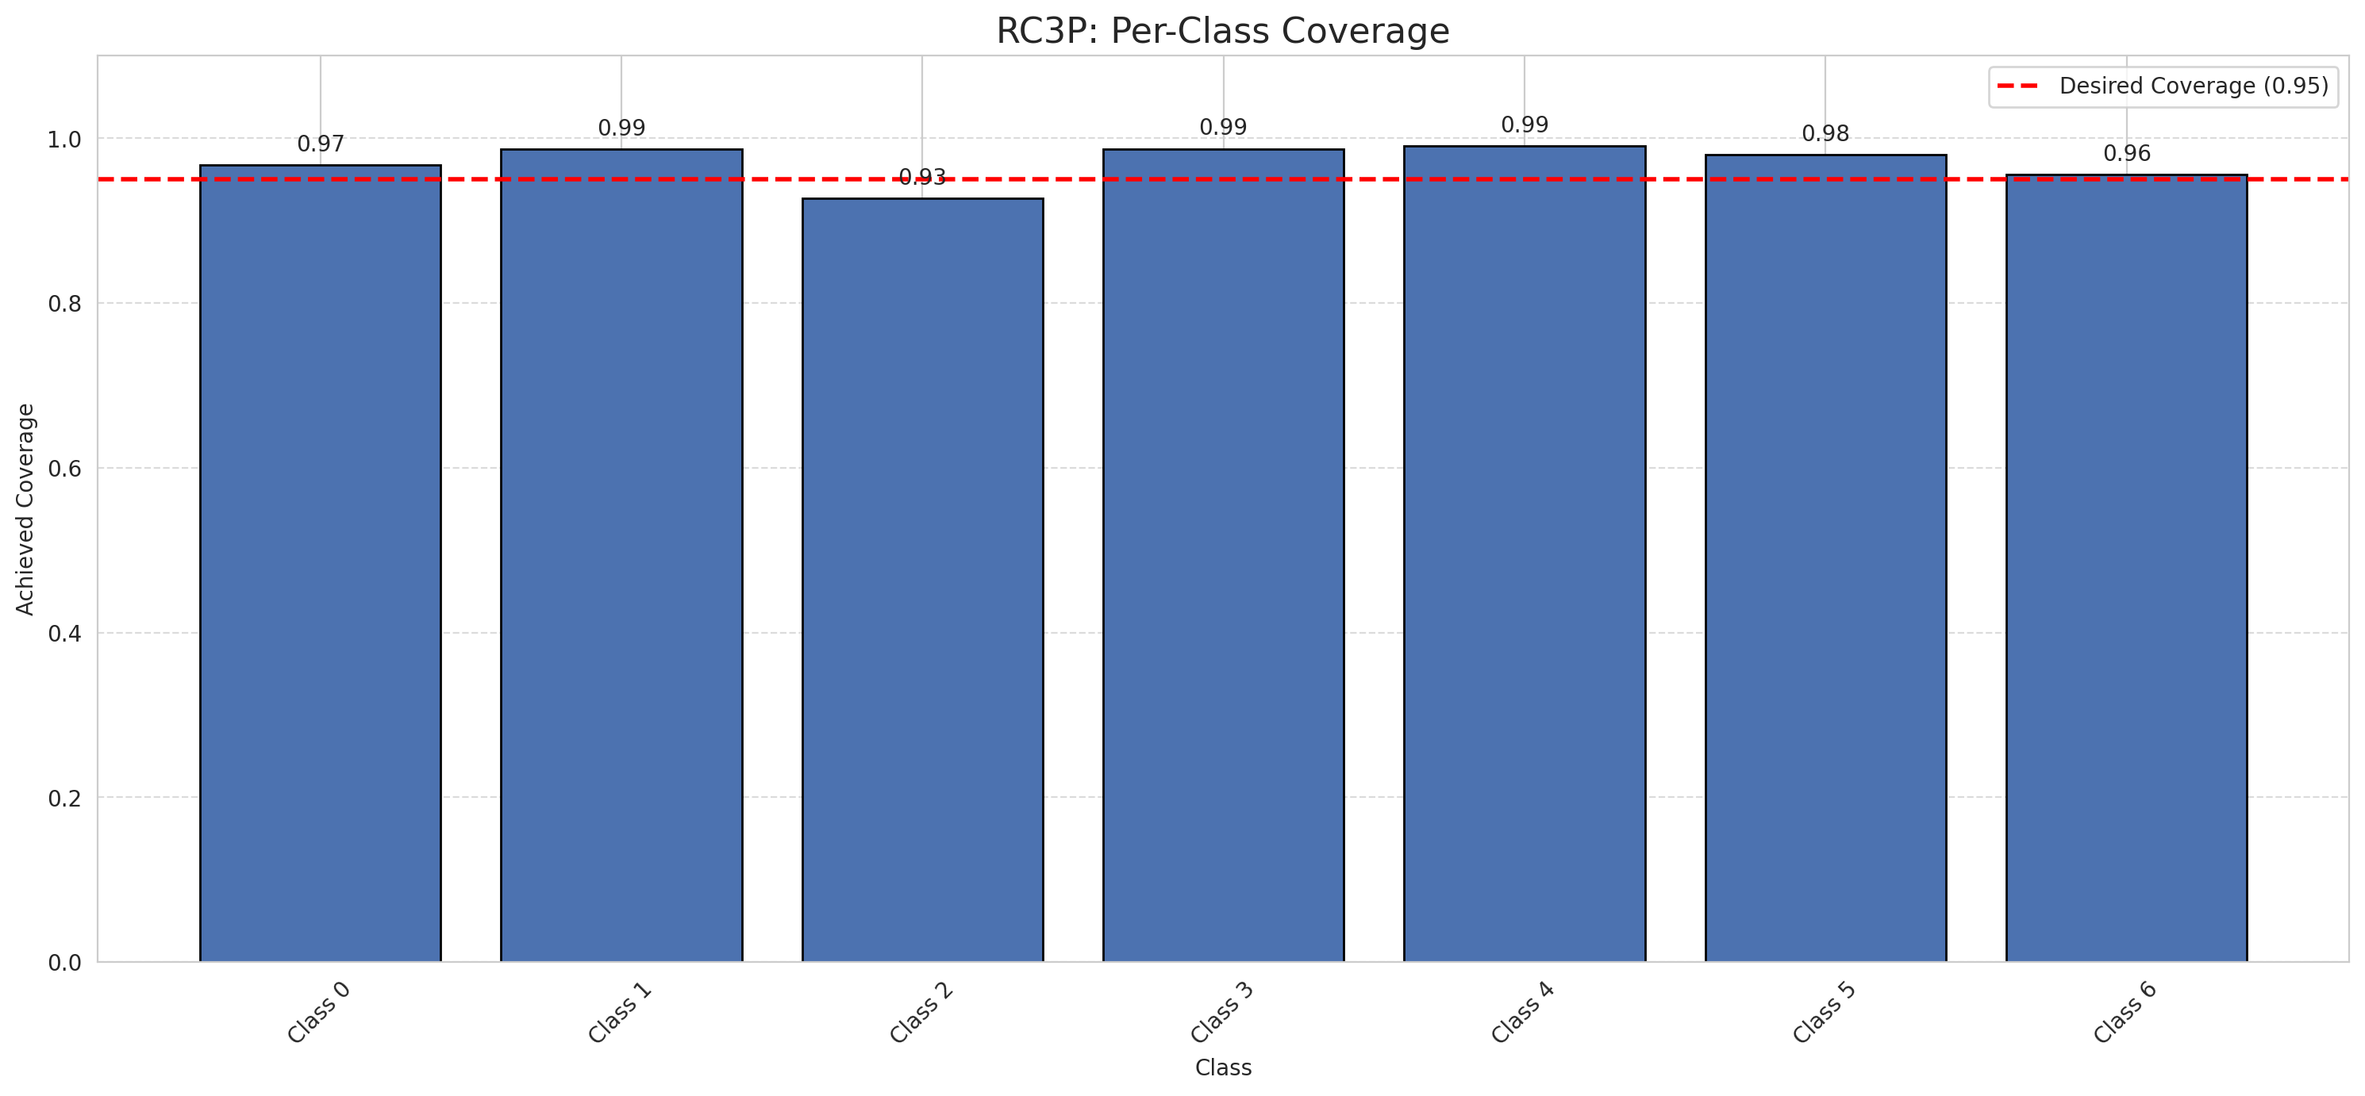
Summary
model_name | method | target_coverage | empirical_coverage | avg_set_size | median_set_size | singleton_rate | empty_set_rate | runtime_sec | alpha | lam | n_clusters | mean_per_class_coverage
GFNet | RC3P | 0.95 | 0.96751740139 | 0.96844547564 | 1 | 0.96844547564 | 0.031554524362 | 1.52719891 | 0.05 |  |  | 0.97071145155

Per-Class Coverage Values
class_id | class_coverage | support_count
0 | 0.96717724289 | 914
1 | 0.98678414097 | 454
2 | 0.92737430168 | 358
3 | 0.98717948718 | 156
4 | 0.99038461538 | 104
5 | 0.9801980198 | 101
6 | 0.95588235294 | 68

Pixel Counts
class_id | label | pixel_count
0 | Class 0 | 33668
1 | Class 1 | 15039
2 | Class 2 | 12720
3 | Class 3 | 4773
4 | Class 4 | 3436 |  |  |  |  |  |  | Certain vs Uncertain Map
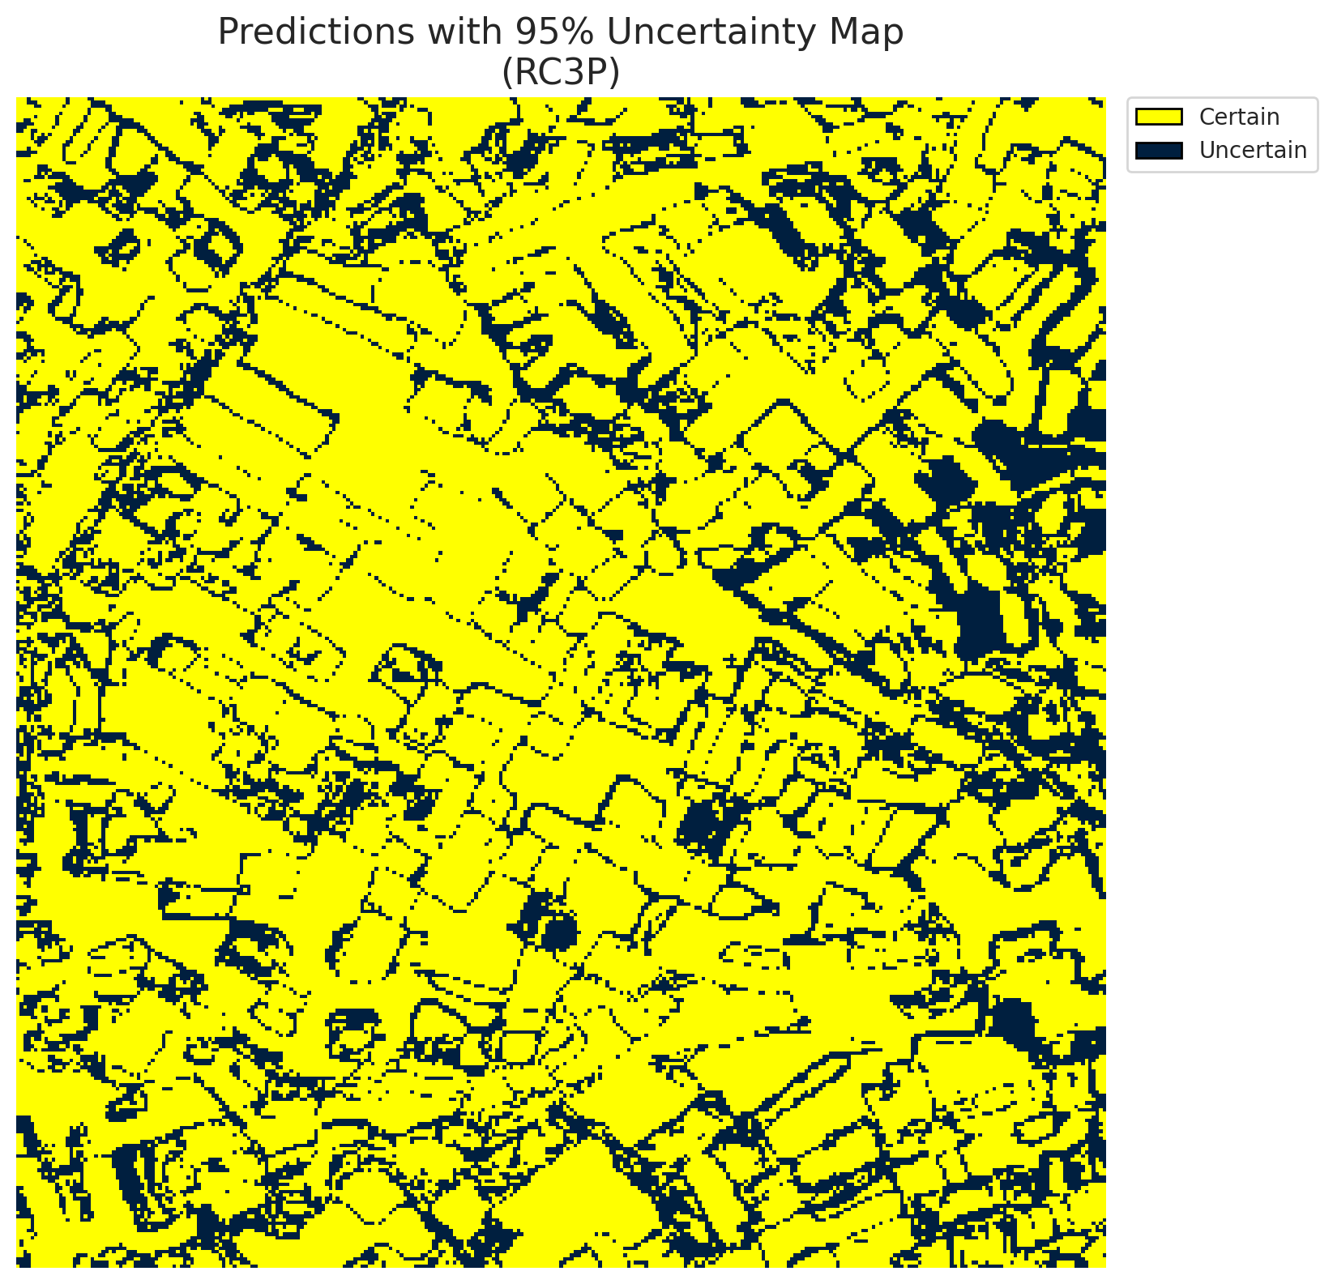
5 | Class 5 | 5002
6 | Class 6 | 1417
7 | Uncertain | 25255

RC3P Thresholds & Limits
class_id | q_hat_rc3p | suit_index_limit
0 | 0.00012964885914 | 1
1 | 0.001134267966 | 1
2 | 0.00074405253749 | 1
3 | 0.034523626632 | 1
4 | 0.0013959305101 | 1
5 | 0.0055802261208 | 1
6 | 0.018295499505 | 1

 |  |  |  |  |  |  |  |  | Class Map with Uncertain Mask


 |  |  |  |  |  |  |  |  | Pixel Counts

Clustered_GFNet
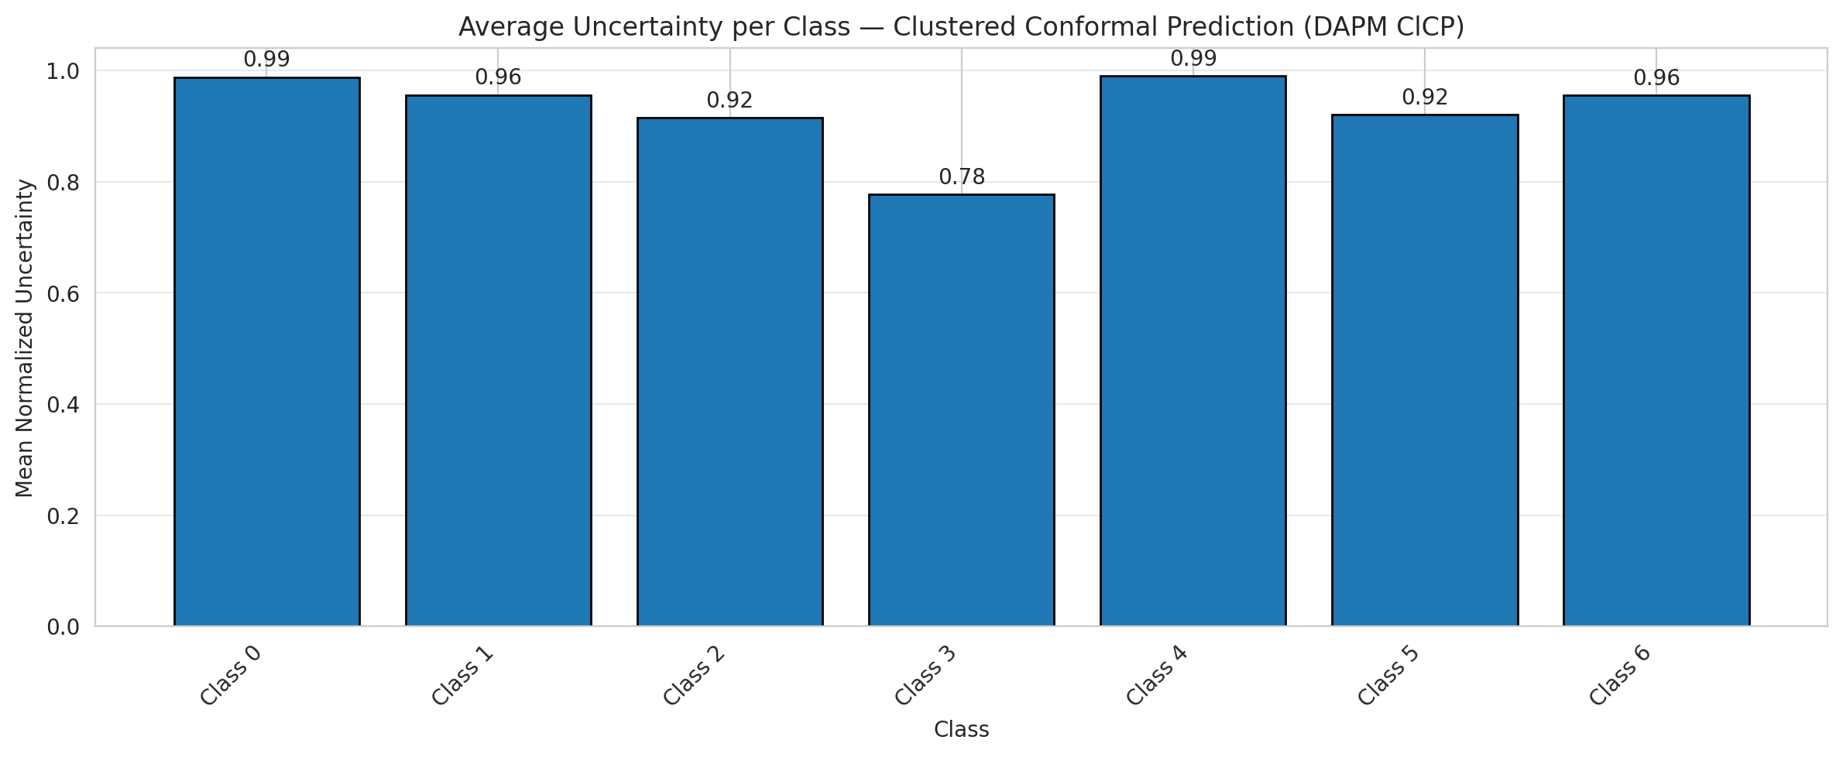
ClusteredConformal - GFNet |  |  |  |  |  |  |  |  | Per-Class Coverage
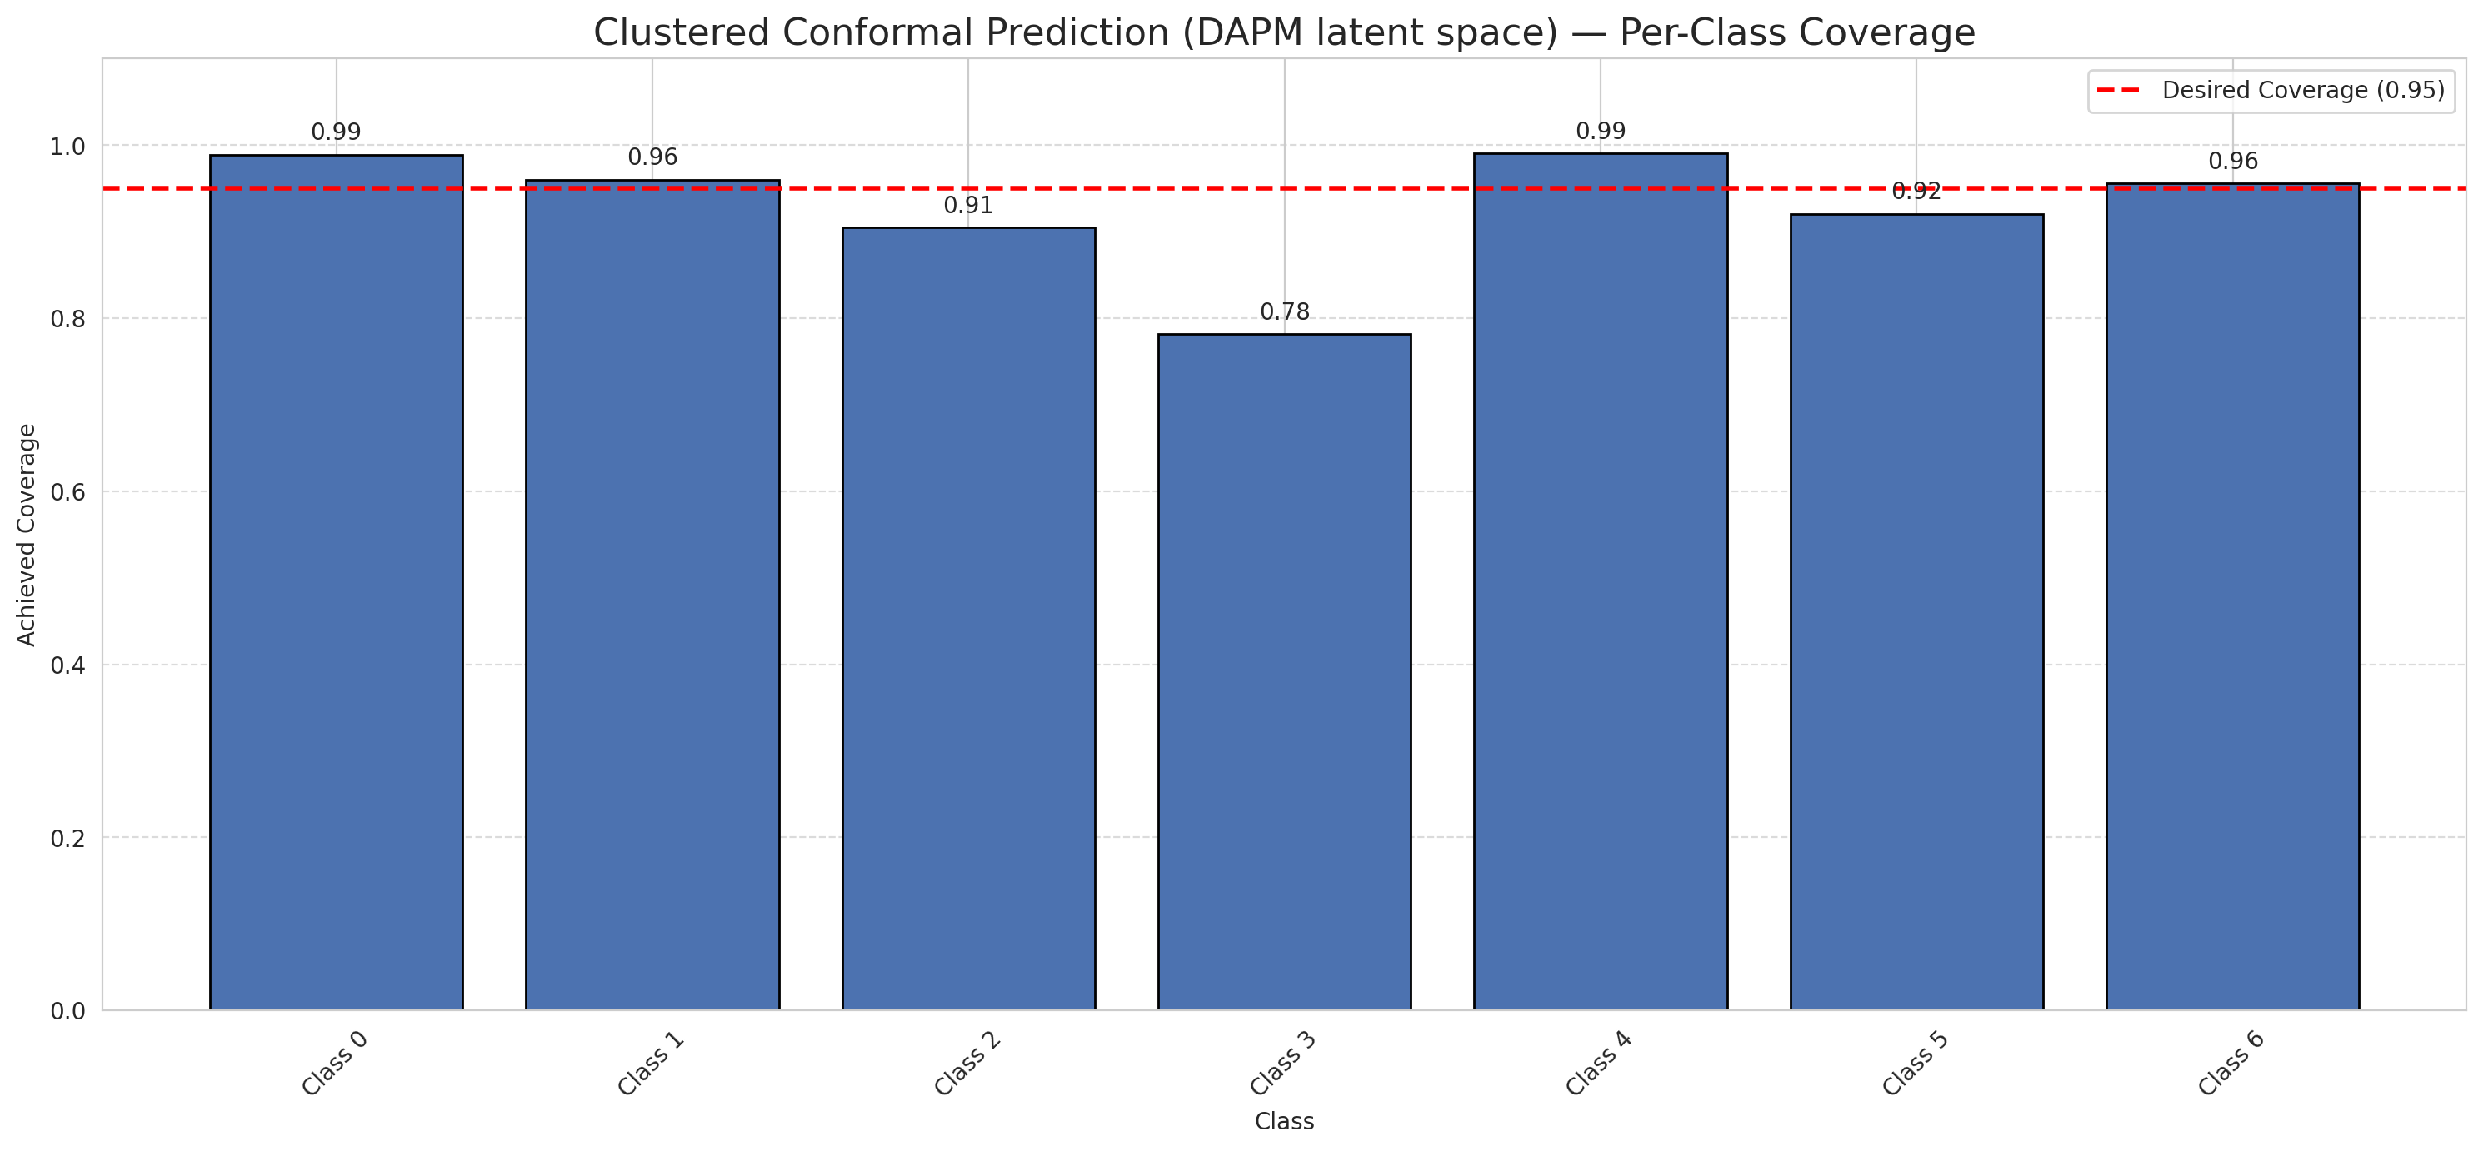
Summary
model_name | method | target_coverage | empirical_coverage | avg_set_size | median_set_size | singleton_rate | empty_set_rate | runtime_sec | alpha | lam | n_clusters | mean_per_class_coverage
GFNet | ClusteredConformal | 0.95 | 0.94988399072 | 0.94988399072 | 1 | 0.94988399072 | 0.050116009281 | 2.338670461 | 0.05 |  | 4 | 0.92907853806

Per-Class Coverage Values
class_id | class_coverage | support_count
0 | 0.98905908096 | 914
1 | 0.96035242291 | 454
2 | 0.90502793296 | 358
3 | 0.78205128205 | 156
4 | 0.99038461538 | 104
5 | 0.92079207921 | 101
6 | 0.95588235294 | 68

Class-to-Cluster Assignment
class_id | cluster_id
0 | 0
1 | 0
2 | 0
3 | 0
4 | 2 |  |  |  |  |  |  |  | Uncertainty Distribution

5 | 3
6 | 1

Cluster q_hat
cluster_id | q_hat_cluster
0 | 0.00040640299364
1 | 0.018295499505
2 | 0.00092676115027
3 | 0.0019647014569

Cluster Mean Uncertainty
cluster | uncertainty
0 | 0.94899043571
1 | 0.95588235294
2 | 0.99038461538
3 | 0.92079207921

Class Mean Uncertainty
class_id | uncertainty
0 | 0.98797814208
1 | 0.95614035088 |  |  |  |  |  |  |  | Avg Uncertainty per Cluster
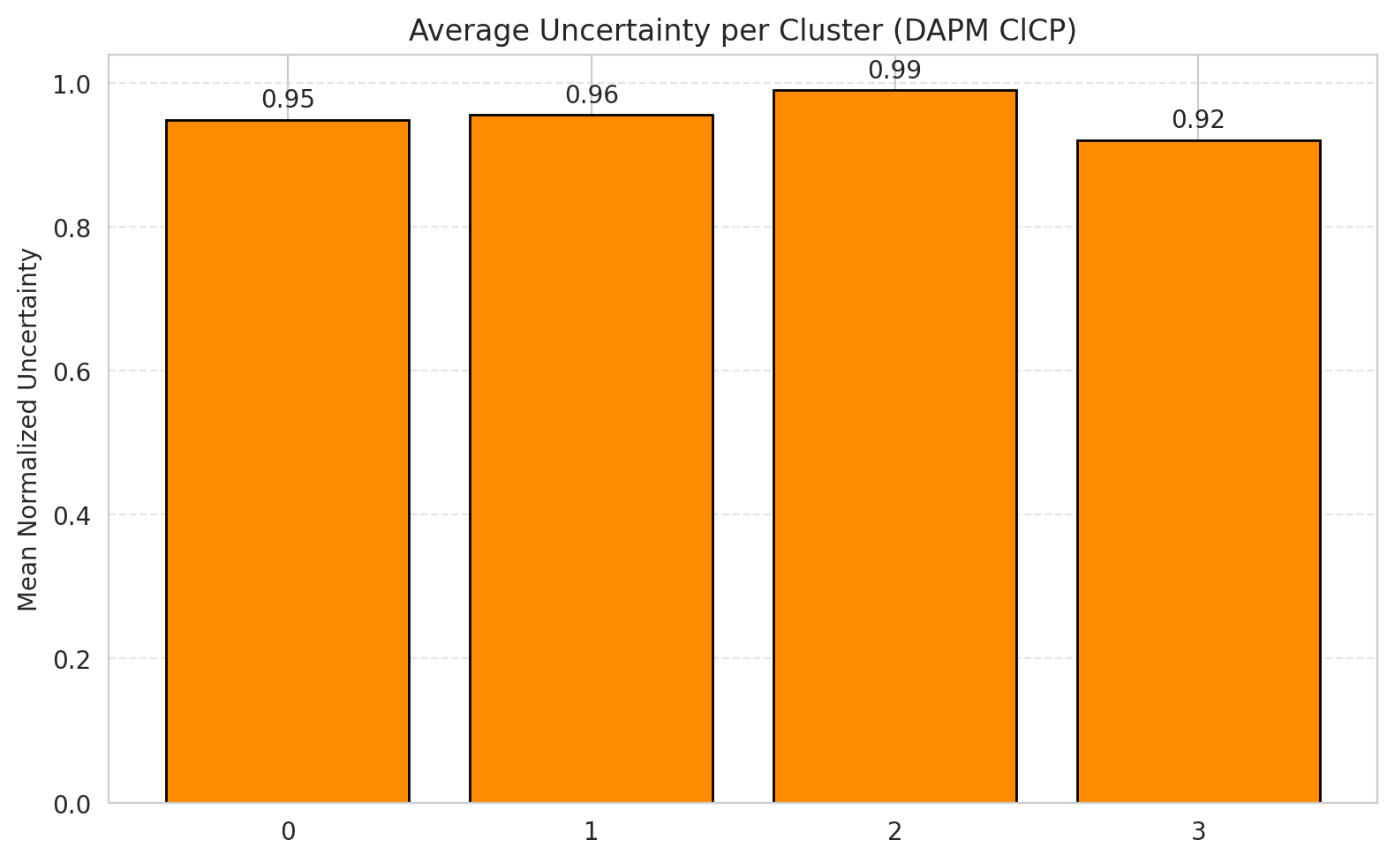
2 | 0.91525423729
3 | 0.77707006369
4 | 0.99038461538
5 | 0.92079207921
6 | 0.95588235294

 |  |  |  |  |  |  |  |  | Avg Uncertainty per Class

RAPS_GFNet
RAPS - GFNet |  |  |  |  |  |  |  |  | Per-Class Coverage
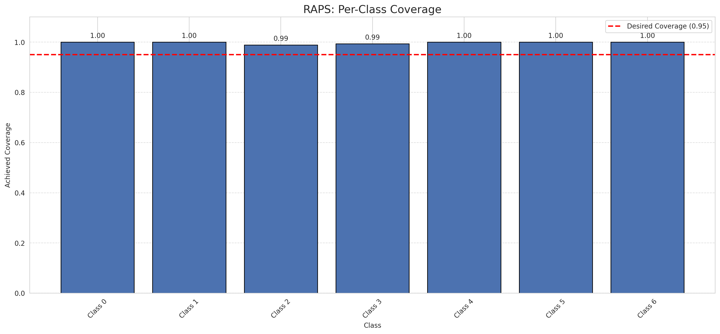
Summary
model_name | method | target_coverage | empirical_coverage | avg_set_size | median_set_size | singleton_rate | empty_set_rate | runtime_sec | alpha | lam | n_clusters | mean_per_class_coverage
GFNet | RAPS | 0.95 | 0.99767981439 | 1 | 1 | 1 | 0 | 0.378219586 | 0.05 | 0.01 |  | 0.99748807989

Per-Class Coverage Values
class_id | class_coverage | support_count
0 | 1 | 914
1 | 1 | 454
2 | 0.98882681564 | 358
3 | 0.99358974359 | 156
4 | 1 | 104
5 | 1 | 101
6 | 1 | 68

RAPS Parameters
q_hat_raps | lambda | k_reg
0 | 0.01 | 1

Split_ViT
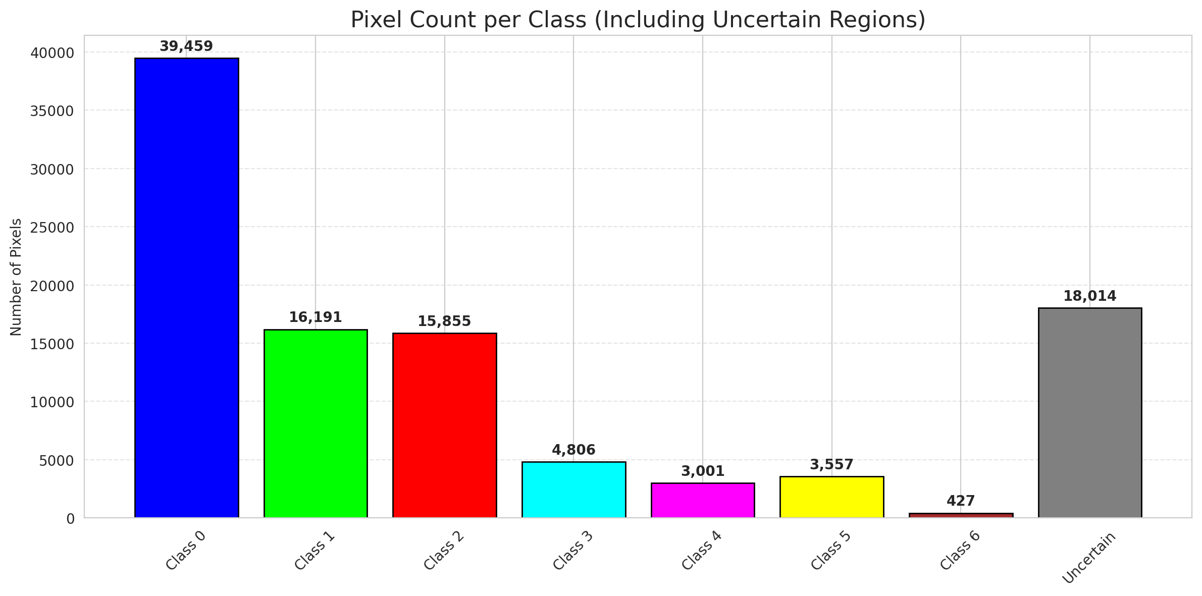
SplitConformal - ViT |  |  |  |  |  |  |  |  | Per-Class Coverage
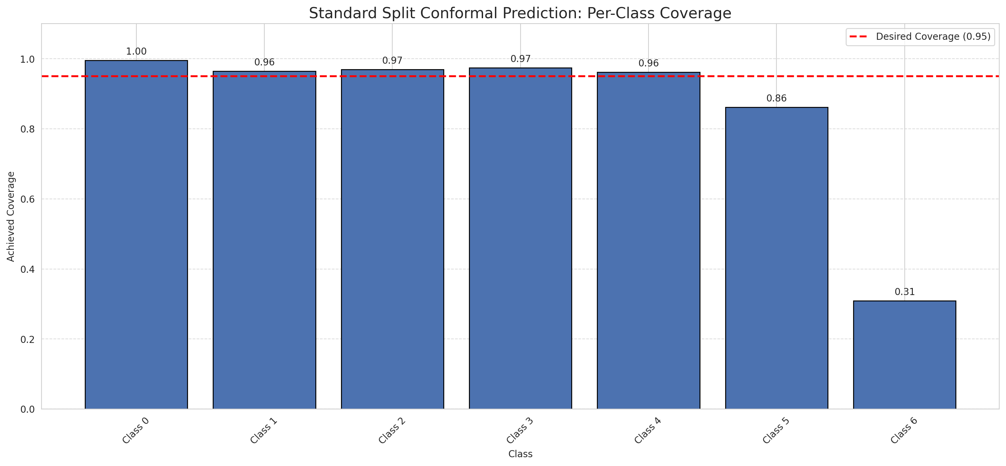
Summary
model_name | method | target_coverage | empirical_coverage | avg_set_size | median_set_size | singleton_rate | empty_set_rate | runtime_sec | alpha | lam | n_clusters | mean_per_class_coverage
ViT | SplitConformal | 0.95 | 0.9535962877 | 0.95591647332 | 1 | 0.95591647332 | 0.044083526682 | 1.524259435 | 0.05 |  |  | 0.86225174123

Per-Class Coverage Values
class_id | class_coverage | support_count
0 | 0.99562363239 | 914
1 | 0.96475770925 | 454
2 | 0.96927374302 | 358
3 | 0.97435897436 | 156
4 | 0.96153846154 | 104
5 | 0.86138613861 | 101
6 | 0.30882352941 | 68

Pixel Counts
class_id | label | pixel_count
0 | Class 0 | 39459
1 | Class 1 | 16191
2 | Class 2 | 15855
3 | Class 3 | 4806
4 | Class 4 | 3001 |  |  |  |  |  |  | Certain vs Uncertain Map
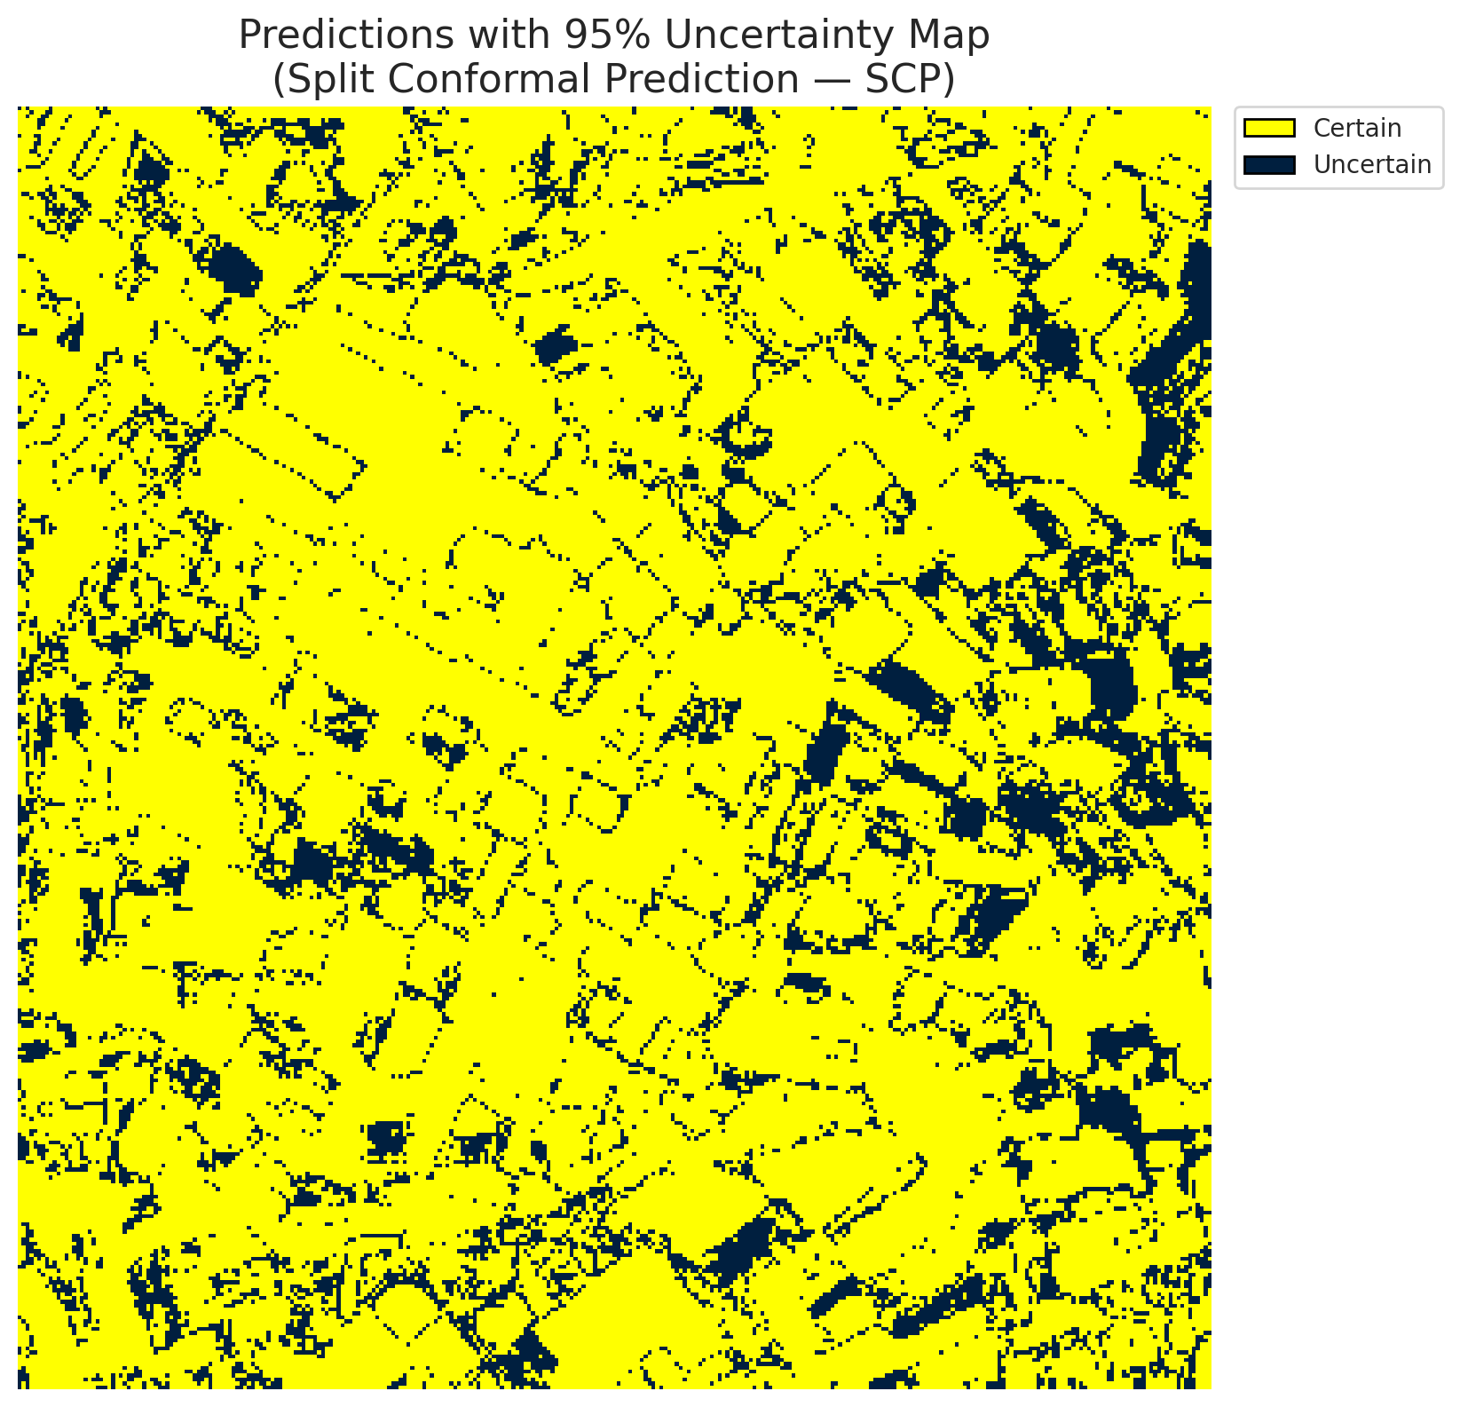
5 | Class 5 | 3557
6 | Class 6 | 427
7 | Uncertain | 18014

Threshold
q_hat_split
0.00039405864268

 |  |  |  |  |  |  |  |  | Class Map with Uncertain Mask
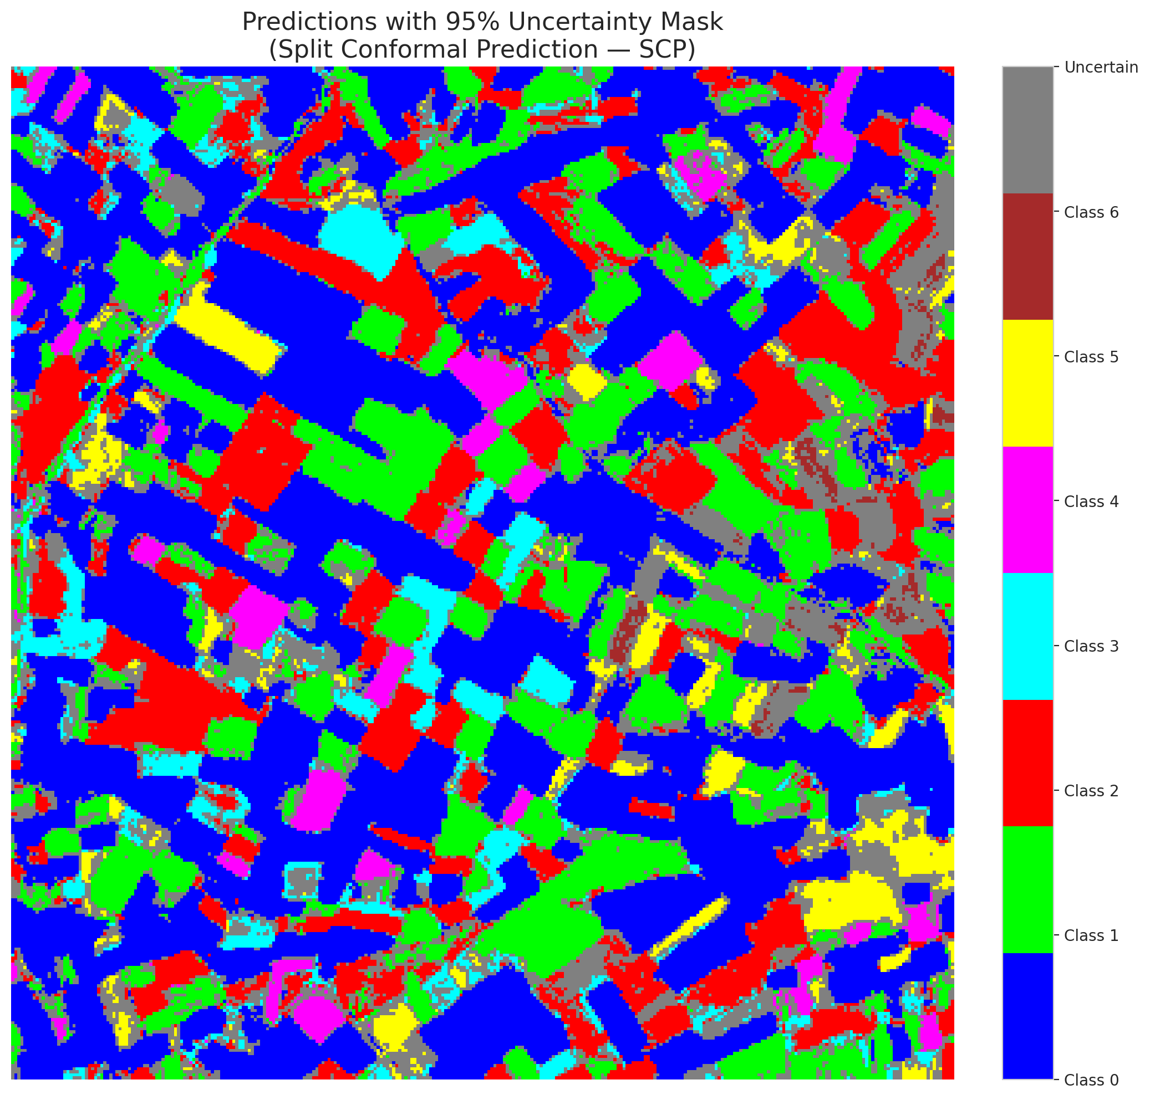

 |  |  |  |  |  |  |  |  | Pixel Counts

ClassCond_ViT
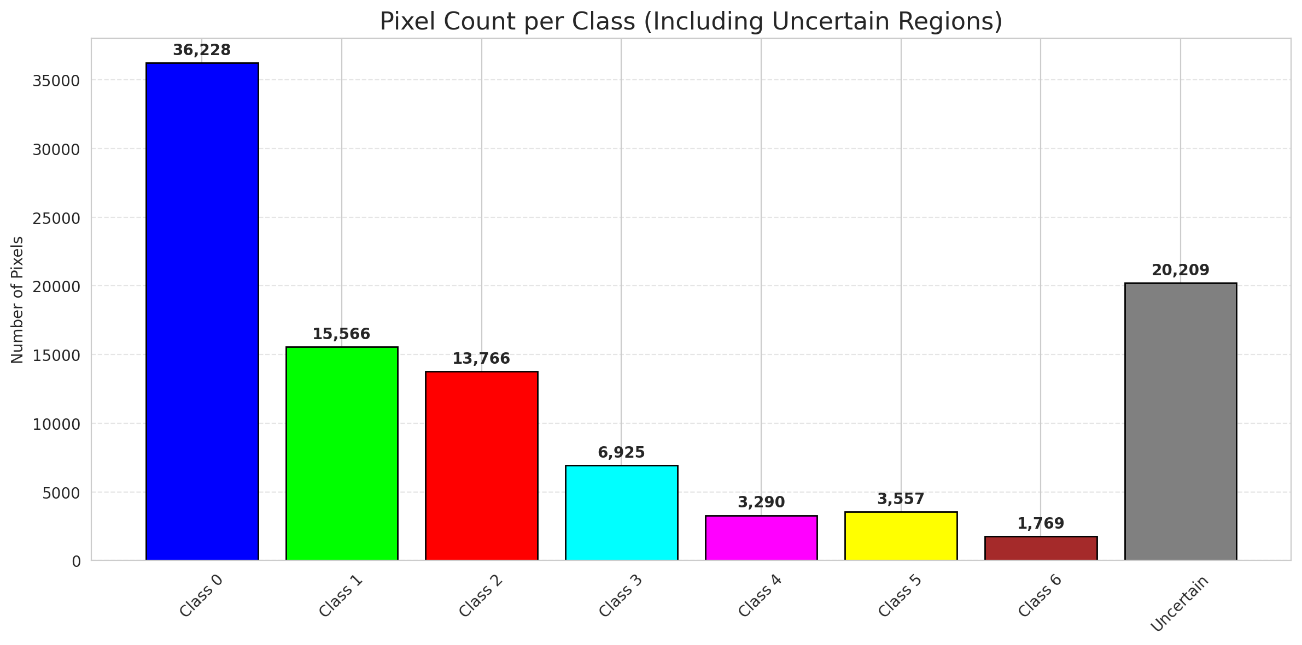
ClassConditionalConformal - ViT |  |  |  |  |  |  |  |  | Per-Class Coverage
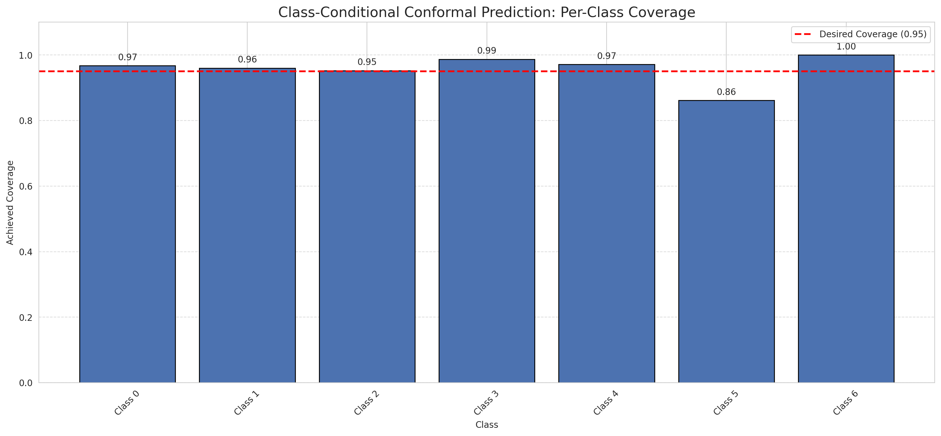
Summary
model_name | method | target_coverage | empirical_coverage | avg_set_size | median_set_size | singleton_rate | empty_set_rate | runtime_sec | alpha | lam | n_clusters | mean_per_class_coverage
ViT | ClassConditionalConformal | 0.95 | 0.96102088167 | 0.96241299304 | 1 | 0.96241299304 | 0.037587006961 | 1.478903588 | 0.05 |  |  | 0.95710901489

Per-Class Coverage Values
class_id | class_coverage | support_count
0 | 0.96717724289 | 914
1 | 0.96035242291 | 454
2 | 0.95251396648 | 358
3 | 0.98717948718 | 156
4 | 0.97115384615 | 104
5 | 0.86138613861 | 101
6 | 1 | 68

Pixel Counts
class_id | label | pixel_count
0 | Class 0 | 36228
1 | Class 1 | 15566
2 | Class 2 | 13766
3 | Class 3 | 6925
4 | Class 4 | 3290 |  |  |  |  |  |  | Certain vs Uncertain Map
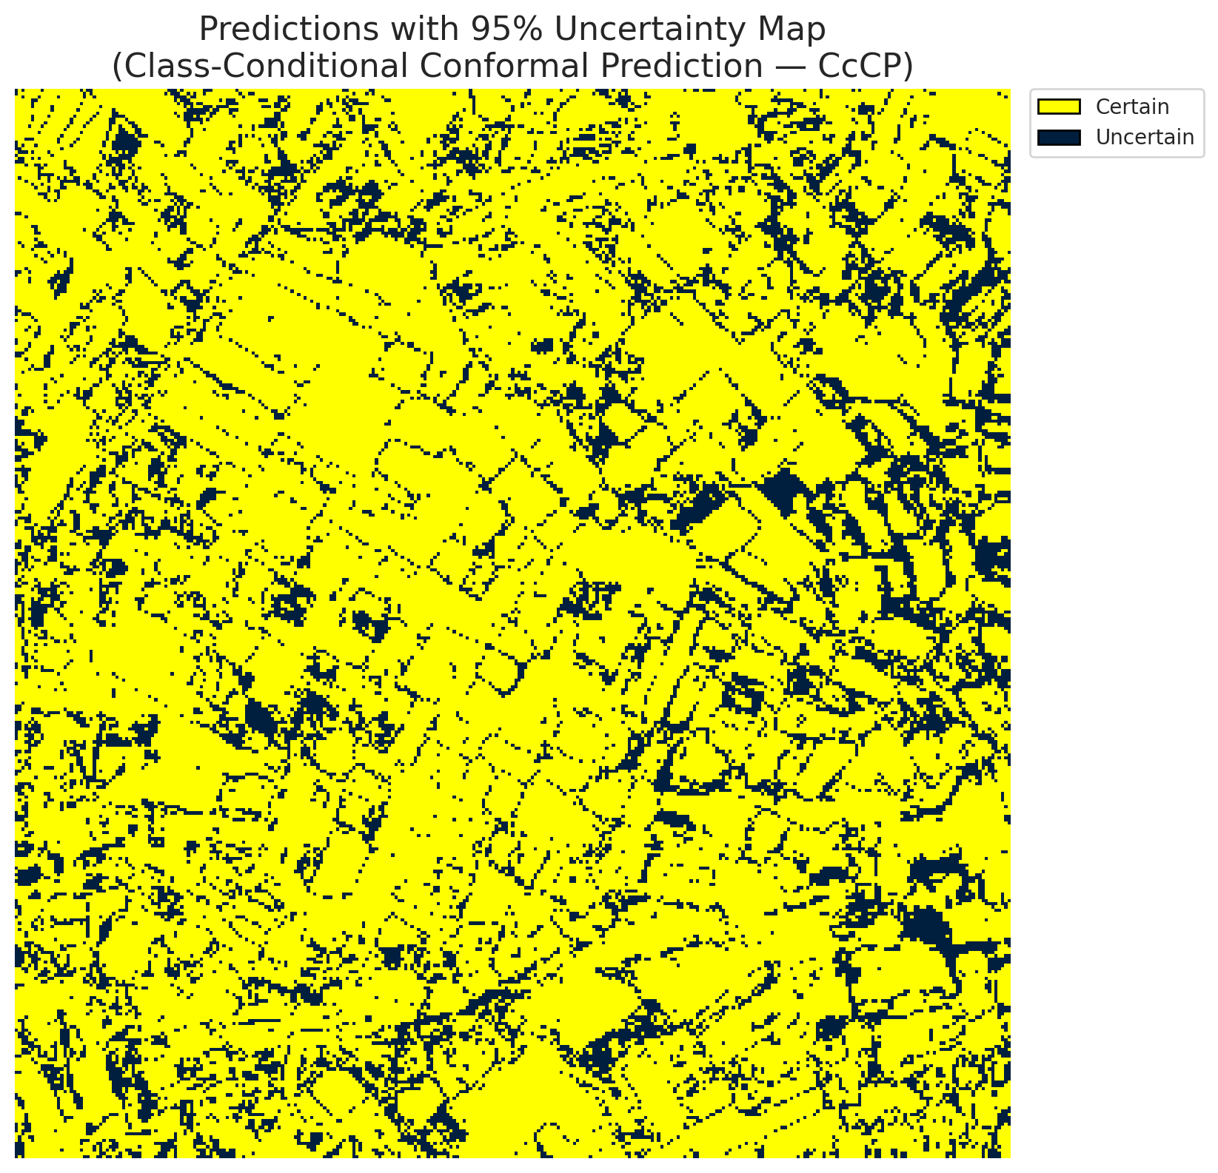
5 | Class 5 | 3557
6 | Class 6 | 1769
7 | Uncertain | 20209

Classwise q_hat
class_id | q_hat_classconditional
0 | 2.6991891217E-05
1 | 0.00019764147481
2 | 6.6030493219E-05
3 | 0.077671781965
4 | 0.0010196248329
5 | 0.00039405864268
6 | 0.0015974777815

 |  |  |  |  |  |  |  |  | Class Map with Uncertain Mask
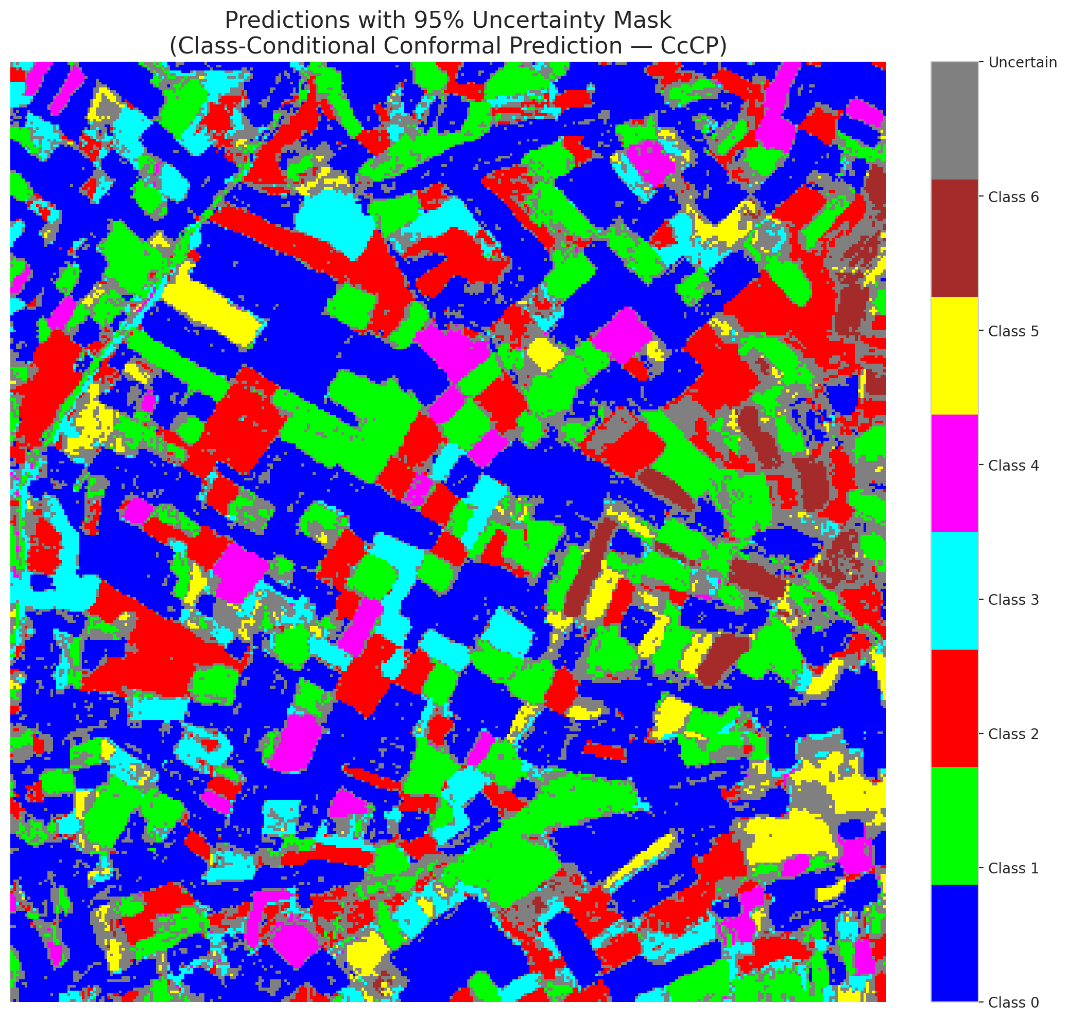

 |  |  |  |  |  |  |  |  | Pixel Counts

RC3P_ViT
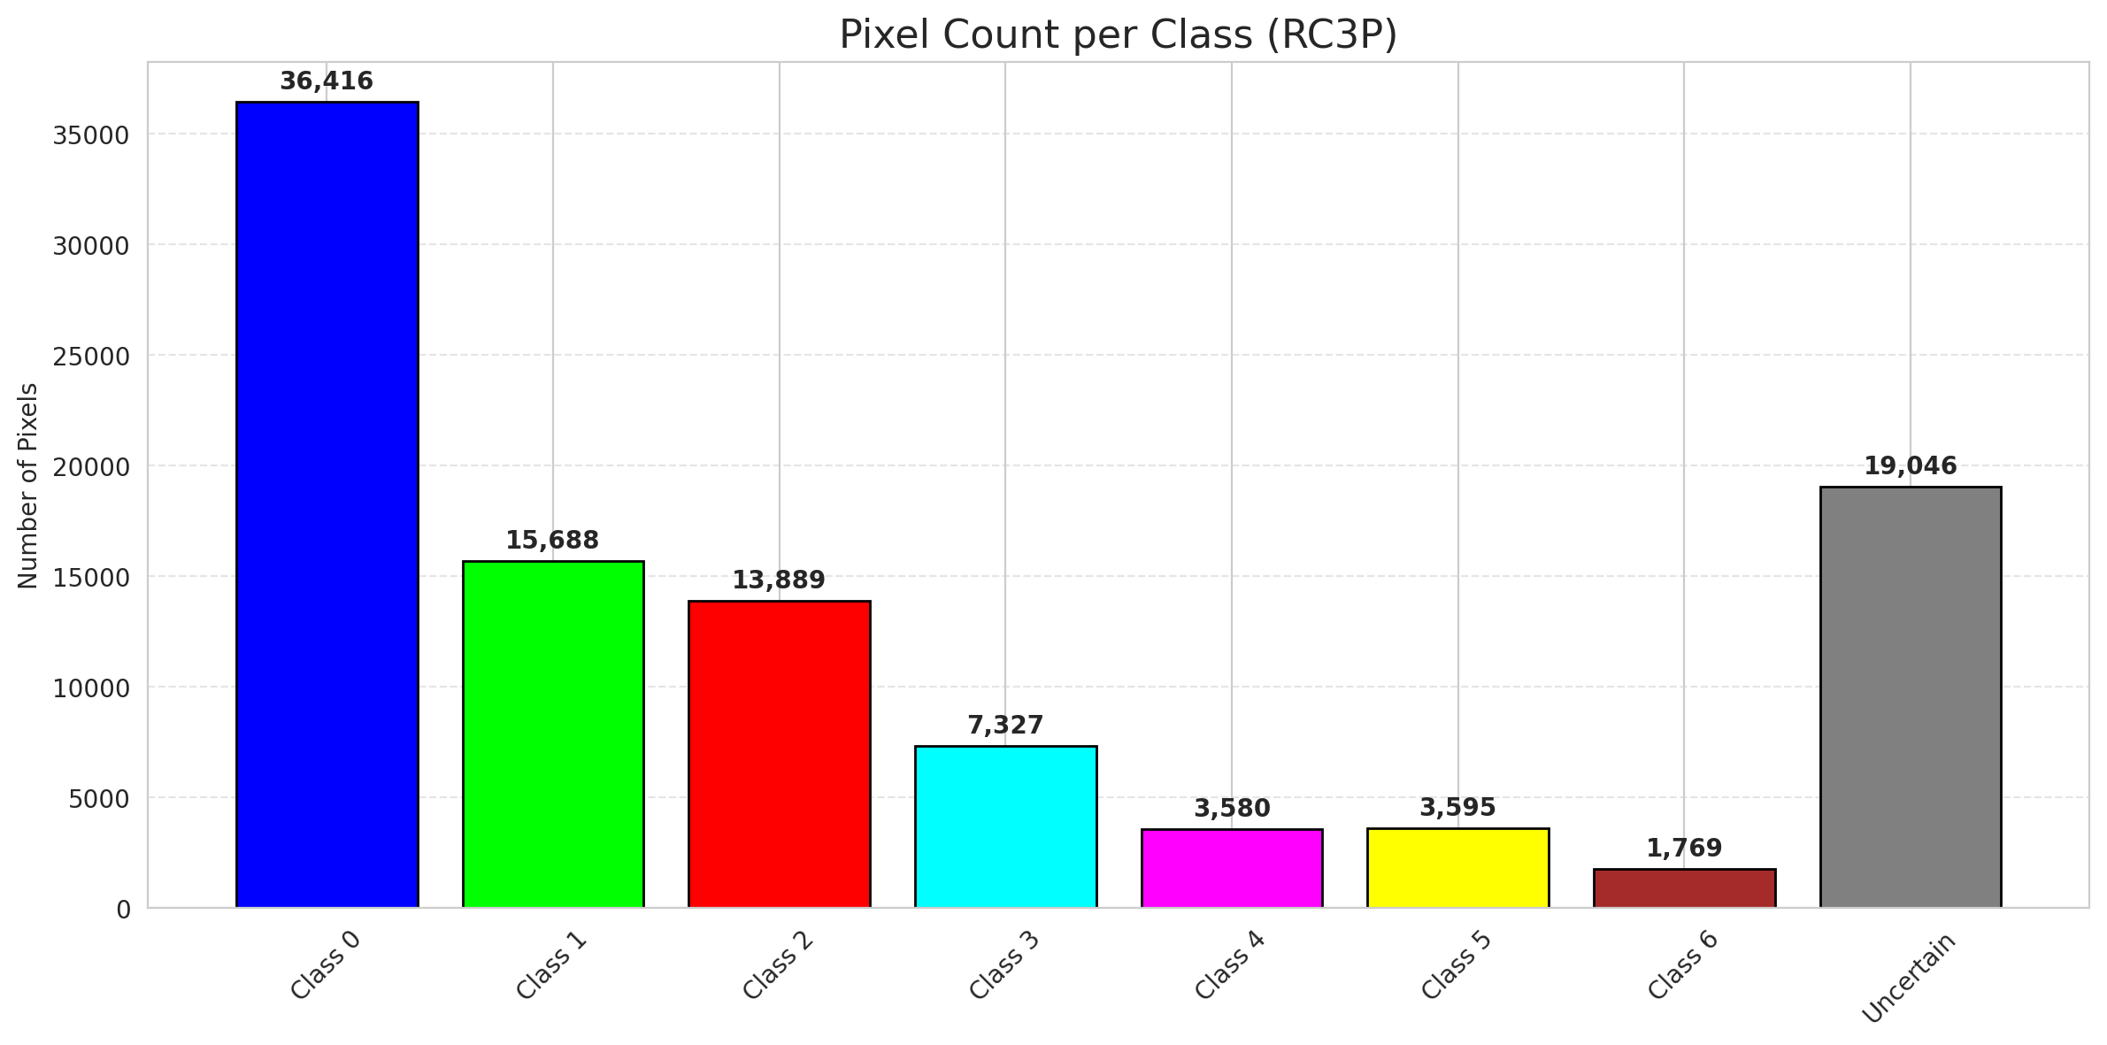
RC3P - ViT |  |  |  |  |  |  |  |  | Per-Class Coverage
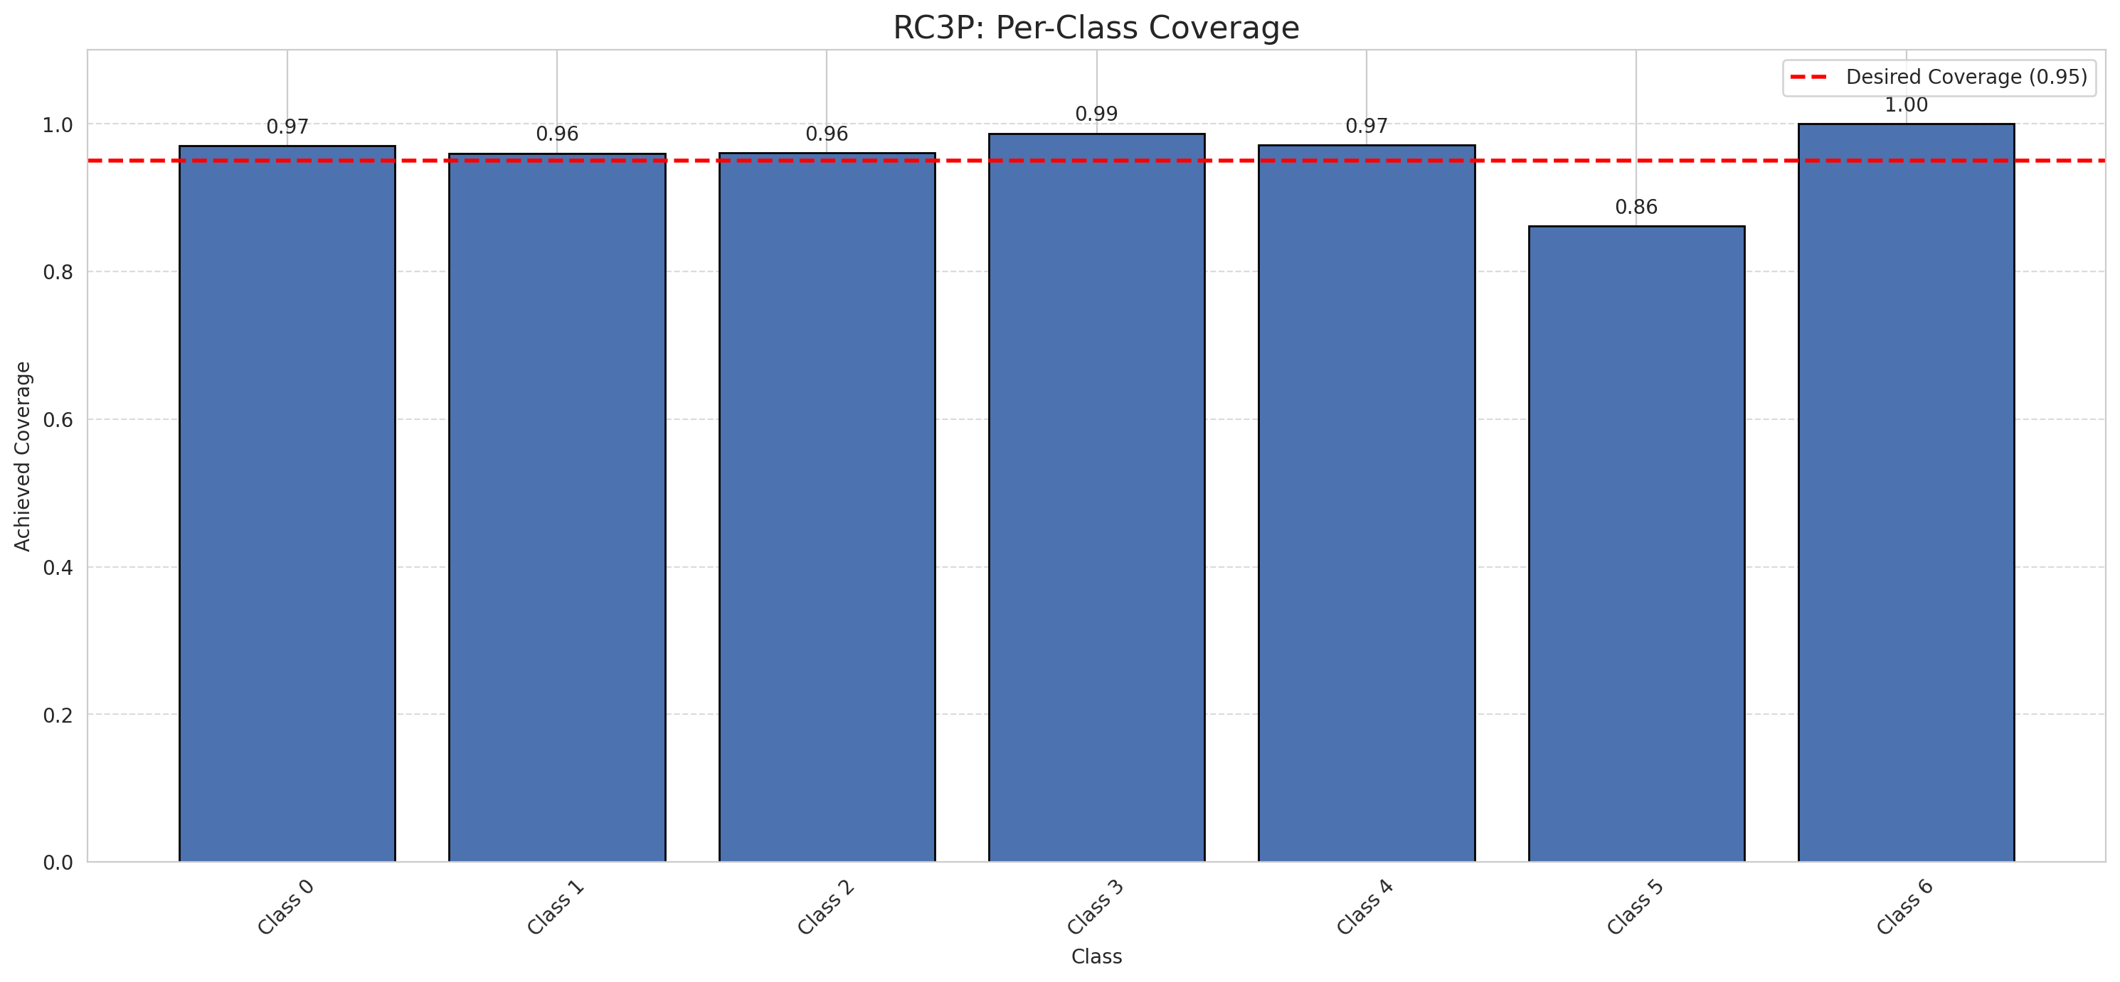
Summary
model_name | method | target_coverage | empirical_coverage | avg_set_size | median_set_size | singleton_rate | empty_set_rate | runtime_sec | alpha | lam | n_clusters | mean_per_class_coverage
ViT | RC3P | 0.95 | 0.96380510441 | 0.96519721578 | 1 | 0.96519721578 | 0.034802784223 | 1.668633397 | 0.05 |  |  | 0.95877503831

Per-Class Coverage Values
class_id | class_coverage | support_count
0 | 0.9704595186 | 914
1 | 0.96035242291 | 454
2 | 0.96089385475 | 358
3 | 0.98717948718 | 156
4 | 0.97115384615 | 104
5 | 0.86138613861 | 101
6 | 1 | 68

Pixel Counts
class_id | label | pixel_count
0 | Class 0 | 36416
1 | Class 1 | 15688
2 | Class 2 | 13889
3 | Class 3 | 7327
4 | Class 4 | 3580 |  |  |  |  |  |  | Certain vs Uncertain Map
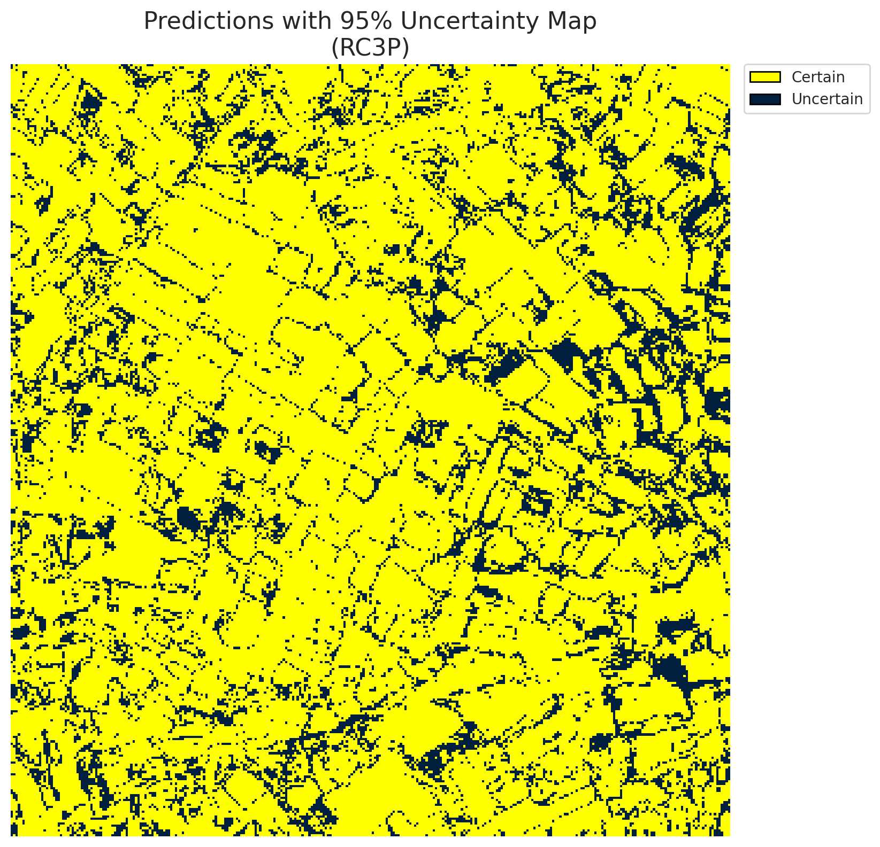
5 | Class 5 | 3595
6 | Class 6 | 1769
7 | Uncertain | 19046

RC3P Thresholds & Limits
class_id | q_hat_rc3p | suit_index_limit
0 | 2.7049546616E-05 | 1
1 | 0.00021995182563 | 1
2 | 6.929328334E-05 | 1
3 | 0.24562580897 | 1
4 | 0.010734327416 | 1
5 | 0.00040769420996 | 1
6 | 0.0015974777815 | 1

 |  |  |  |  |  |  |  |  | Class Map with Uncertain Mask
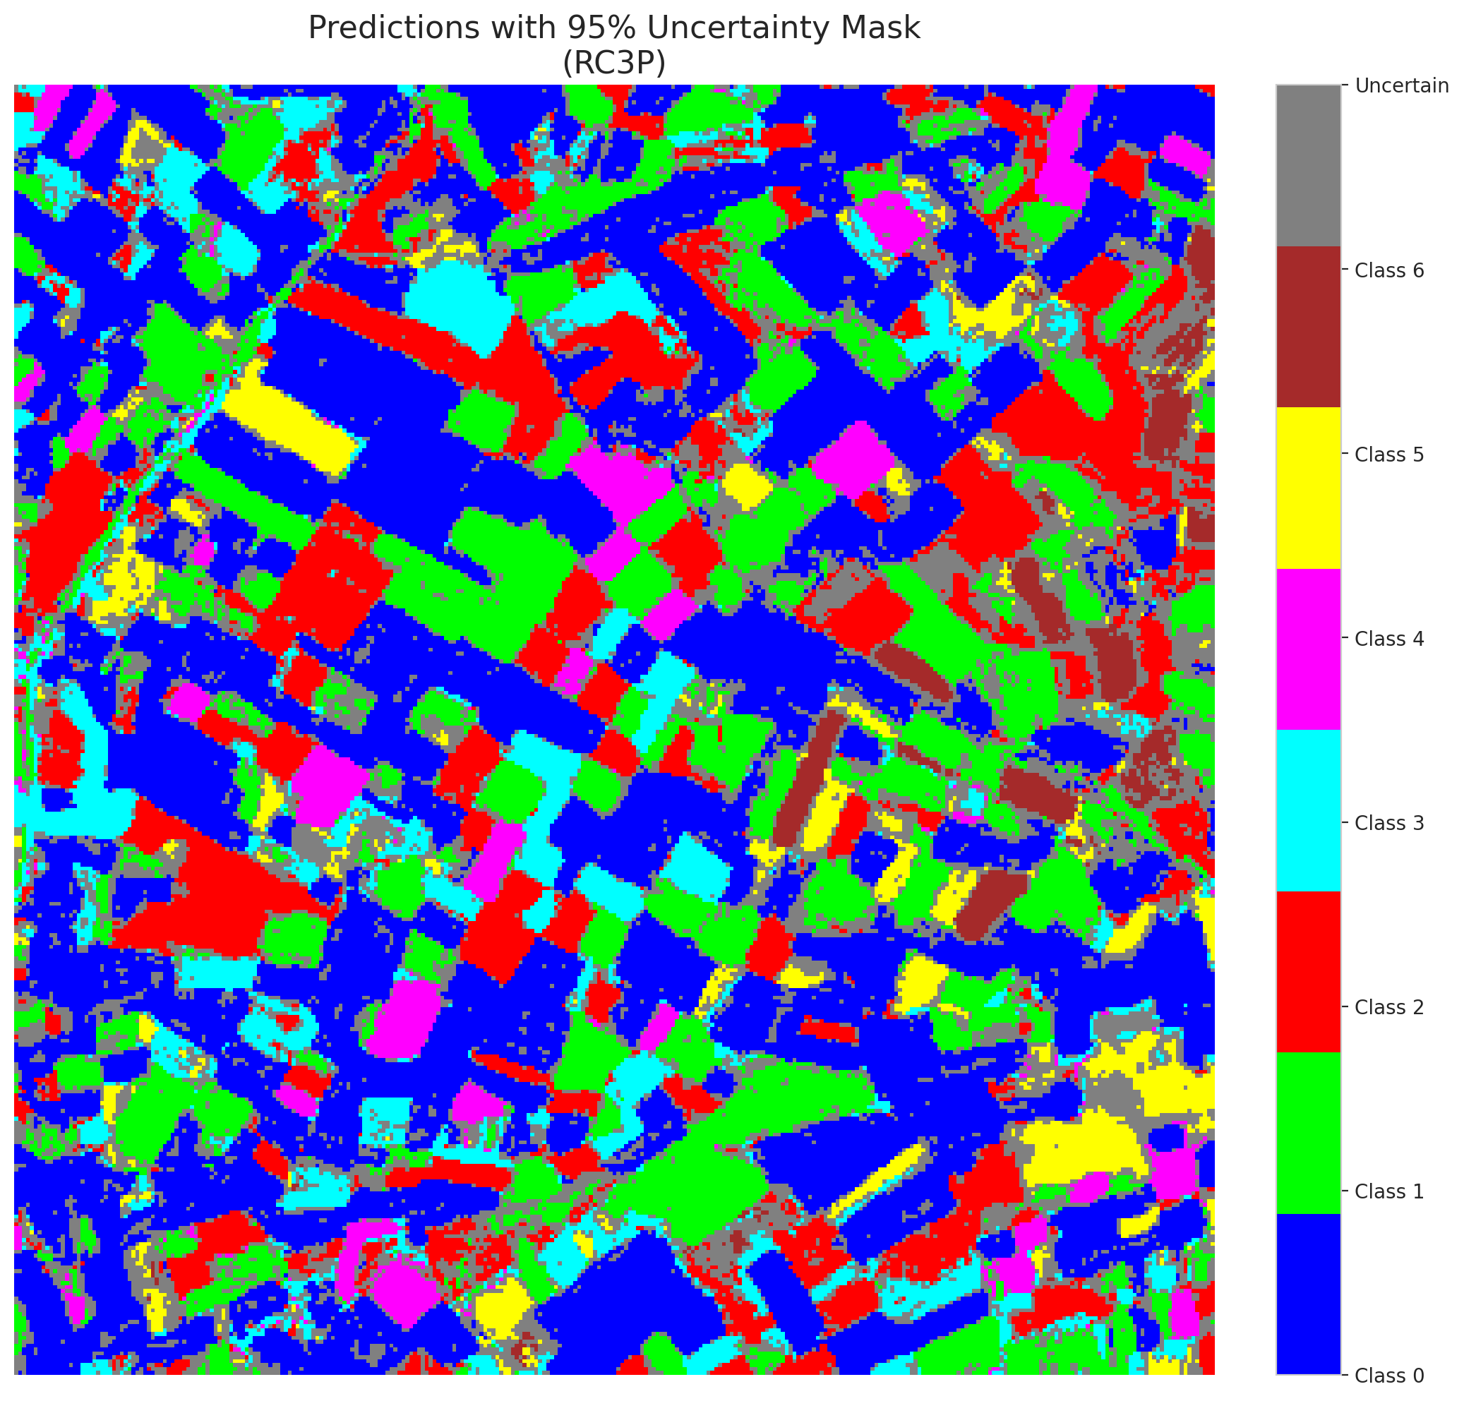

 |  |  |  |  |  |  |  |  | Pixel Counts

Clustered_ViT
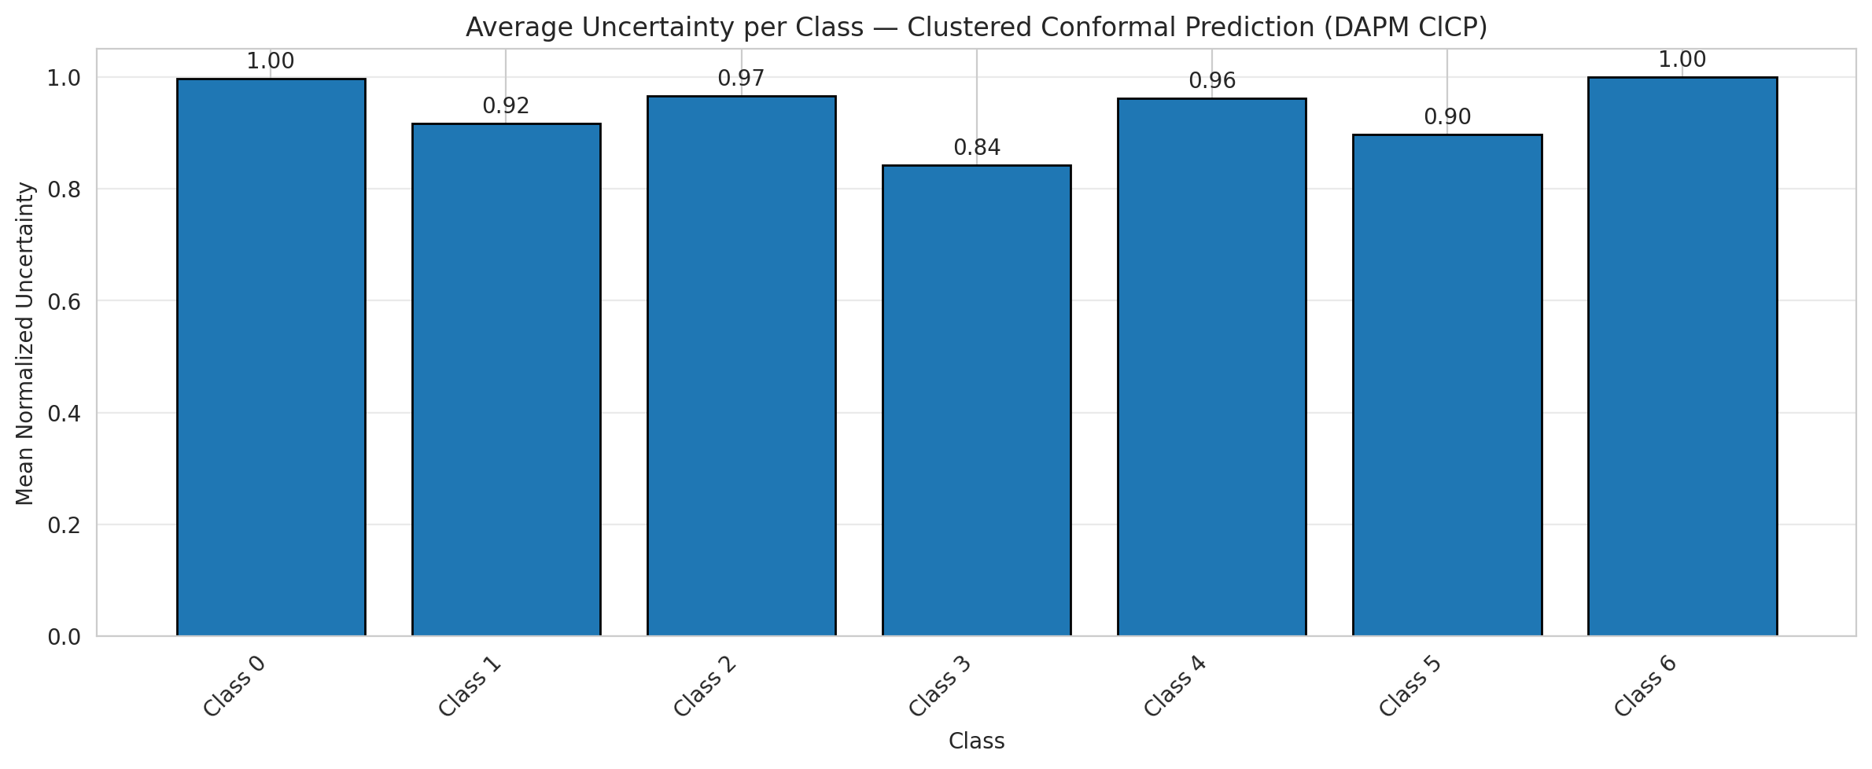
ClusteredConformal - ViT |  |  |  |  |  |  |  |  | Per-Class Coverage
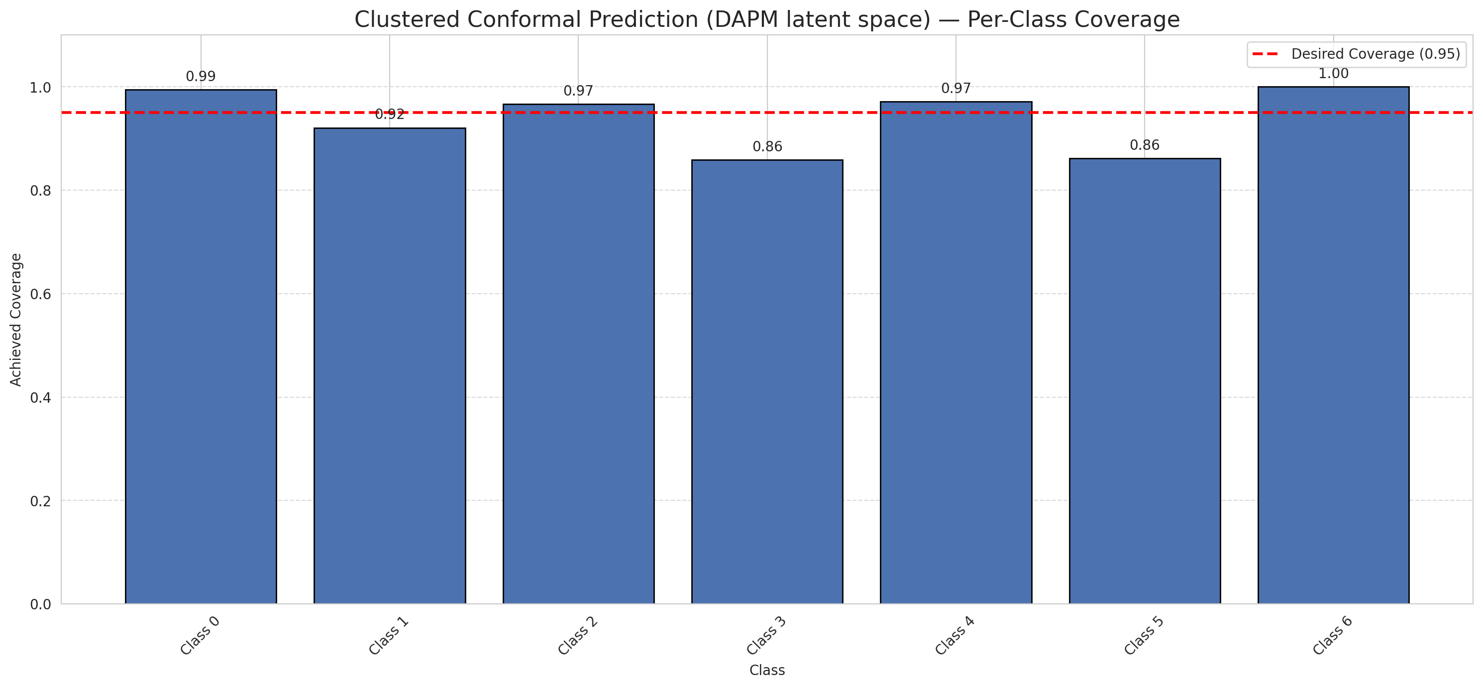
Summary
model_name | method | target_coverage | empirical_coverage | avg_set_size | median_set_size | singleton_rate | empty_set_rate | runtime_sec | alpha | lam | n_clusters | mean_per_class_coverage
ViT | ClusteredConformal | 0.95 | 0.95730858469 | 0.95730858469 | 1 | 0.95730858469 | 0.042691415313 | 6.065913296 | 0.05 |  | 4 | 0.93903273957

Per-Class Coverage Values
class_id | class_coverage | support_count
0 | 0.99452954048 | 914
1 | 0.92070484581 | 454
2 | 0.96648044693 | 358
3 | 0.85897435897 | 156
4 | 0.97115384615 | 104
5 | 0.86138613861 | 101
6 | 1 | 68

Class-to-Cluster Assignment
class_id | cluster_id
0 | 1
1 | 1
2 | 1
3 | 1
4 | 0 |  |  |  |  |  |  |  | Uncertainty Distribution

5 | 3
6 | 2

Cluster q_hat
cluster_id | q_hat_cluster
0 | 0.0010196248329
1 | 8.5767534034E-05
2 | 0.0015974777815
3 | 0.00039405864268

Cluster Mean Uncertainty
cluster | uncertainty
0 | 0.9619047619
1 | 0.95862068966
2 | 1
3 | 0.89690721649

Class Mean Uncertainty
class_id | uncertainty
0 | 0.99671052632
1 | 0.91666666667 |  |  |  |  |  |  |  | Avg Uncertainty per Cluster
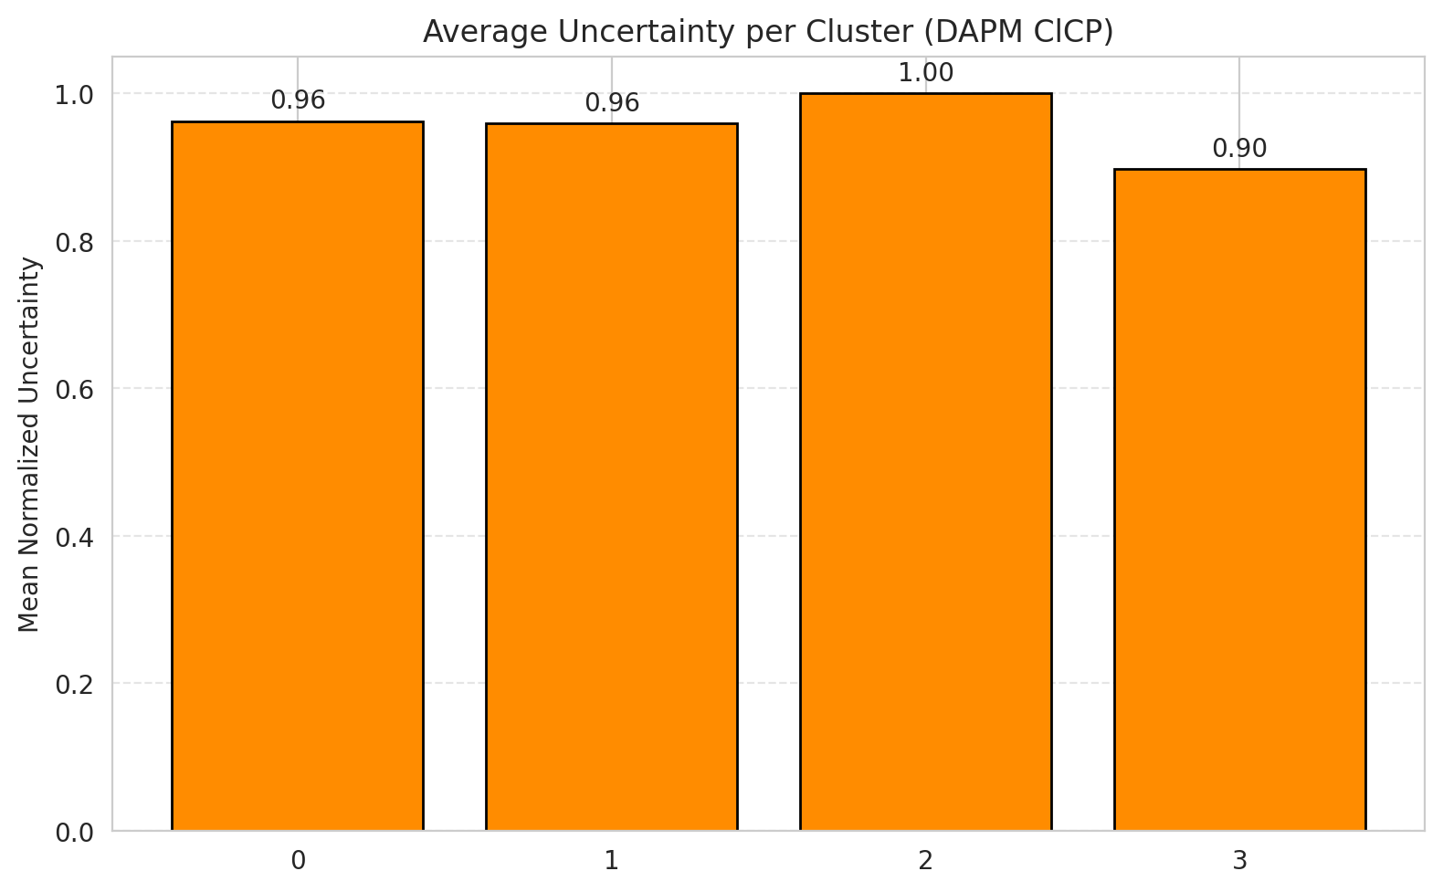
2 | 0.96648044693
3 | 0.8427672956
4 | 0.9619047619
5 | 0.89690721649
6 | 1

 |  |  |  |  |  |  |  |  | Avg Uncertainty per Class

RAPS_ViT
RAPS - ViT |  |  |  |  |  |  |  |  | Per-Class Coverage
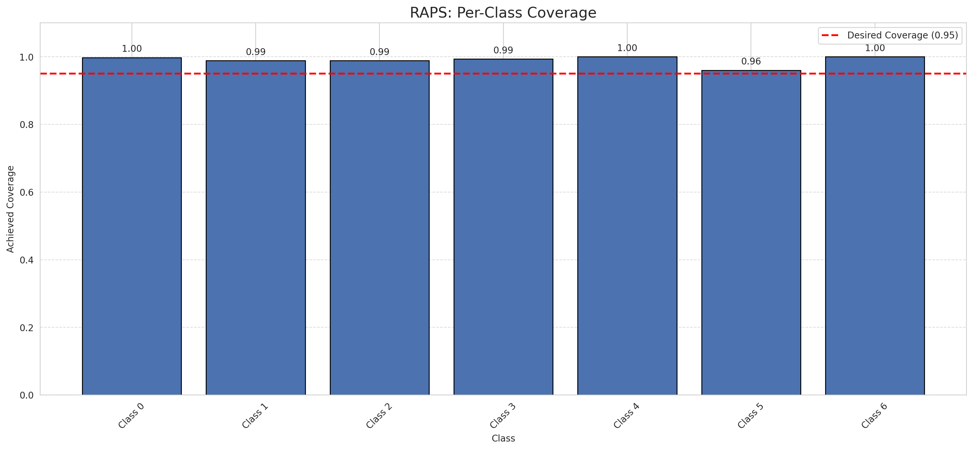
Summary
model_name | method | target_coverage | empirical_coverage | avg_set_size | median_set_size | singleton_rate | empty_set_rate | runtime_sec | alpha | lam | n_clusters | mean_per_class_coverage
ViT | RAPS | 0.95 | 0.99257540603 | 1 | 1 | 1 | 0 | 0.379691444 | 0.05 | 0.01 |  | 0.98994445702

Per-Class Coverage Values
class_id | class_coverage | support_count
0 | 0.99781181619 | 914
1 | 0.98898678414 | 454
2 | 0.98882681564 | 358
3 | 0.99358974359 | 156
4 | 1 | 104
5 | 0.9603960396 | 101
6 | 1 | 68

RAPS Parameters
q_hat_raps | lambda | k_reg
0 | 0.01 | 1

Compare_Clustered
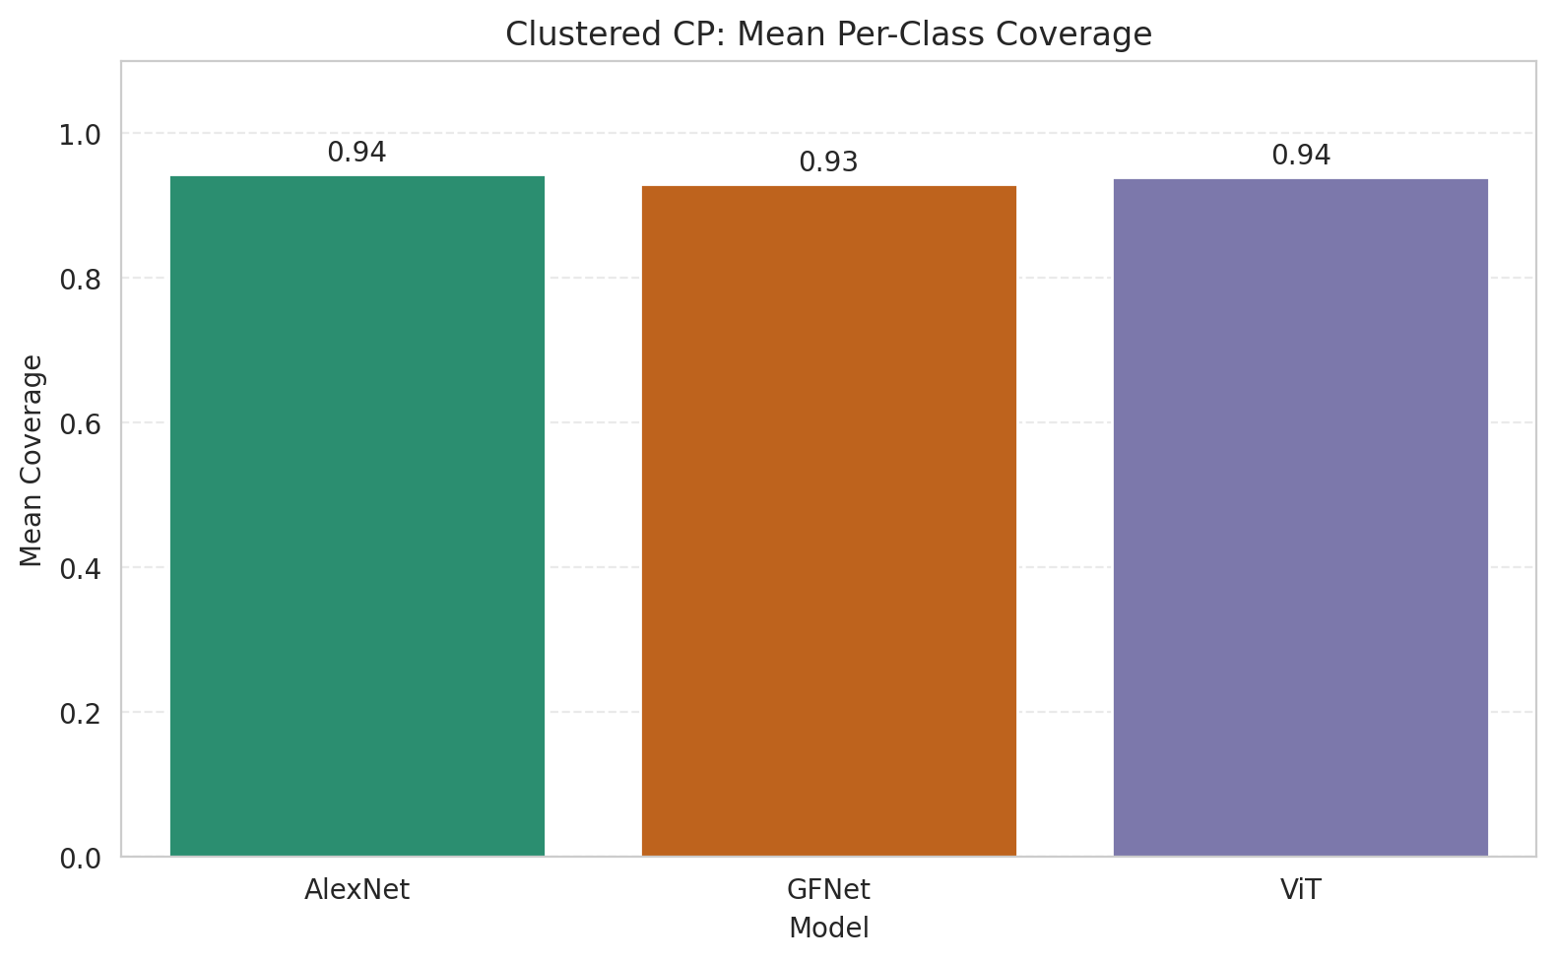
Clustered CP (DAPM): 3-Model Comparison

model_name | method | target_coverage | empirical_coverage | avg_set_size | median_set_size | singleton_rate | empty_set_rate | model_name | mean_per_class_coverage | lam | n_clusters | mean_per_class_coverage
AlexNet | ClusteredConformal | 0.95 | 0.95498839907 | 0.95498839907 | 1 | 0.95498839907 | 0.045011600928 | AlexNet | 0.9431976614 |  | 4 | 0.9431976614
GFNet | ClusteredConformal | 0.95 | 0.94988399072 | 0.94988399072 | 1 | 0.94988399072 | 0.050116009281 | GFNet | 0.92907853806 |  | 4 | 0.92907853806
ViT | ClusteredConformal | 0.95 | 0.95730858469 | 0.95730858469 | 1 | 0.95730858469 | 0.042691415313 | ViT | 0.93903273957 |  | 4 | 0.93903273957

Grouped Metrics Comparison

Mean Per-Class Coverage Comparison

Compare_RAPS
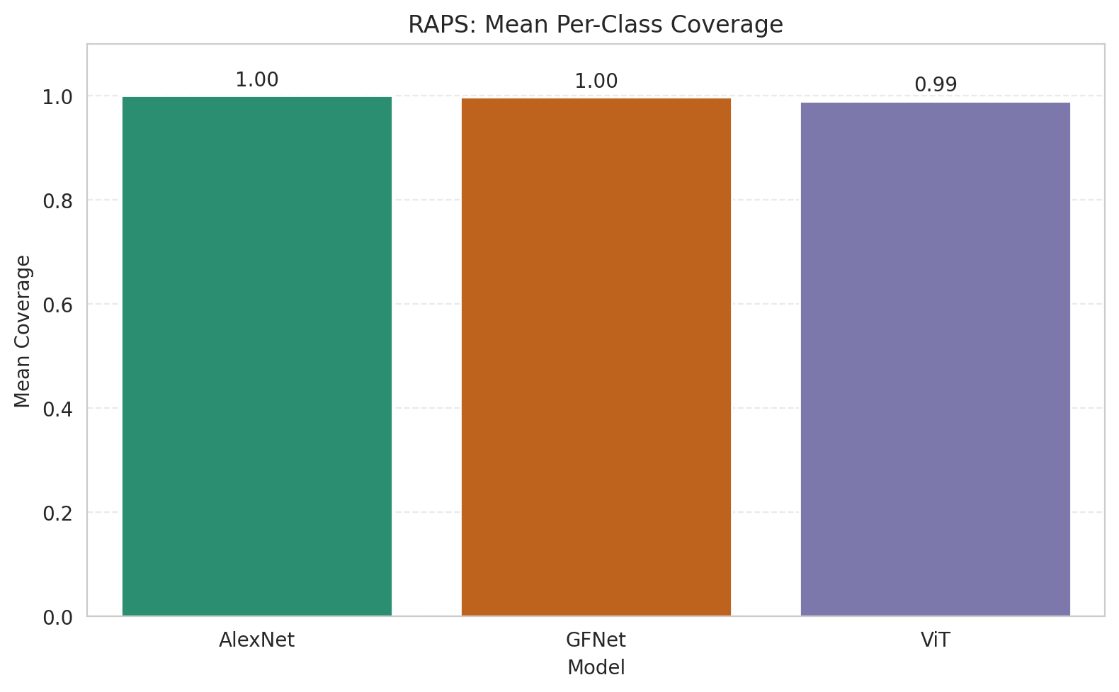
RAPS (DAPM): 3-Model Comparison

model_name | method | target_coverage | empirical_coverage | avg_set_size | median_set_size | singleton_rate | empty_set_rate | model_name | mean_per_class_coverage | lam | n_clusters | mean_per_class_coverage
AlexNet | RAPS | 0.95 | 0.99953596288 | 1 | 1 | 1 | 0 | AlexNet | 0.99968533669 | 0.01 |  | 0.99968533669
GFNet | RAPS | 0.95 | 0.99767981439 | 1 | 1 | 1 | 0 | GFNet | 0.99748807989 | 0.01 |  | 0.99748807989
ViT | RAPS | 0.95 | 0.99257540603 | 1 | 1 | 1 | 0 | ViT | 0.98994445702 | 0.01 |  | 0.98994445702

Grouped Metrics Comparison

Mean Per-Class Coverage Comparison

