Split_MambaSmall
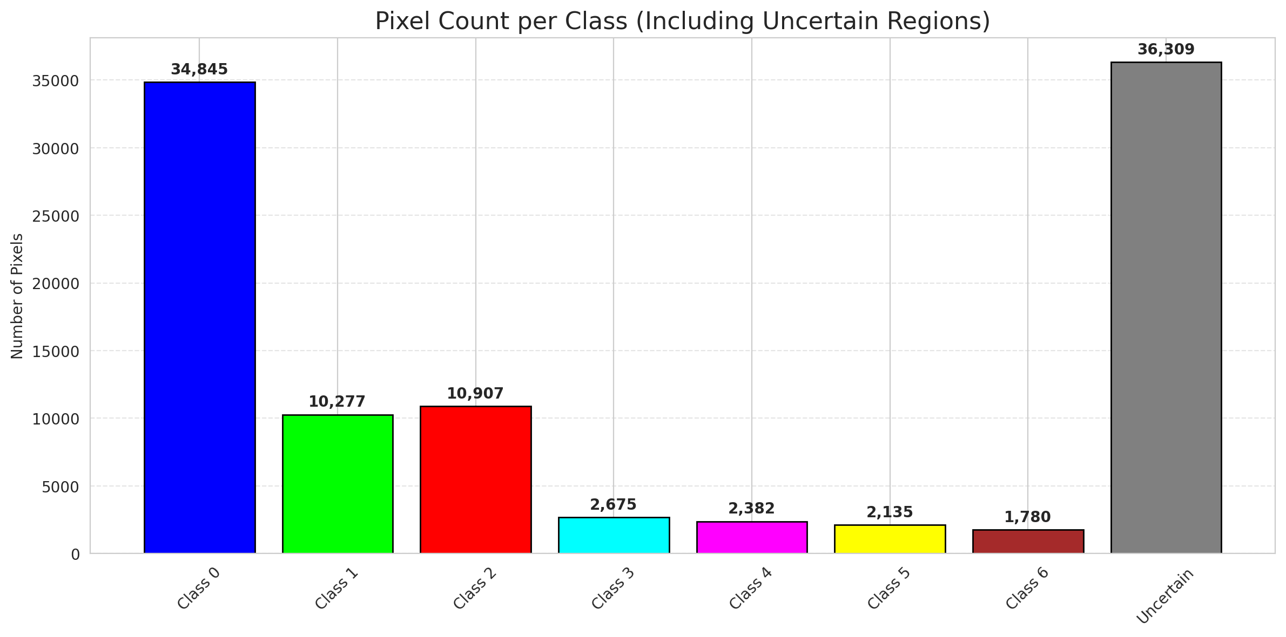
SplitConformal - MambaSmall |  |  |  |  |  |  |  |  | Per-Class Coverage
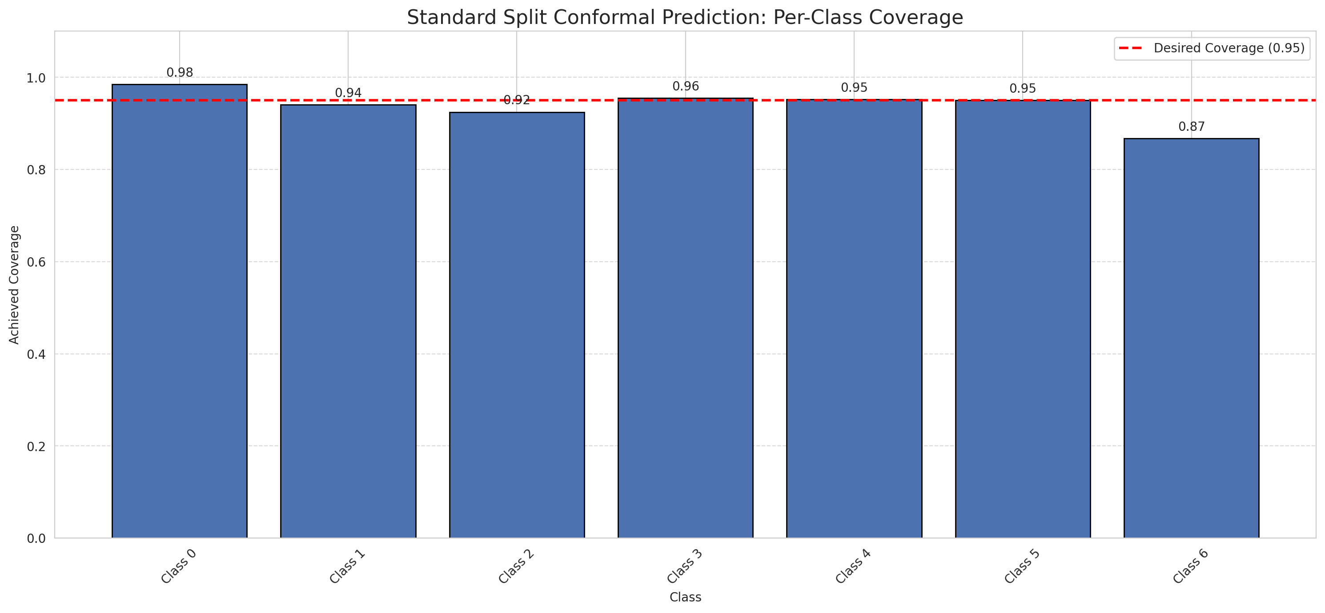
Summary
model_name | method | target_coverage | empirical_coverage | avg_set_size | median_set_size | singleton_rate | empty_set_rate | runtime_sec | alpha | lam | n_clusters | mean_per_class_coverage
MambaSmall | SplitConformal | 0.95 | 0.95638051044 | 0.95638051044 | 1 | 0.95638051044 | 0.043619489559 | 1.60036513 | 0.05 |  |  | 0.93928367767

Per-Class Coverage Values
class_id | class_coverage | support_count
0 | 0.98468271335 | 914
1 | 0.94052863436 | 454
2 | 0.92458100559 | 358
3 | 0.95512820513 | 156
4 | 0.95192307692 | 104
5 | 0.9504950495 | 101
6 | 0.86764705882 | 68

Pixel Counts
class_id | label | pixel_count
0 | Class 0 | 34845
1 | Class 1 | 10277
2 | Class 2 | 10907
3 | Class 3 | 2675
4 | Class 4 | 2382 |  |  |  |  |  |  | Certain vs Uncertain Map
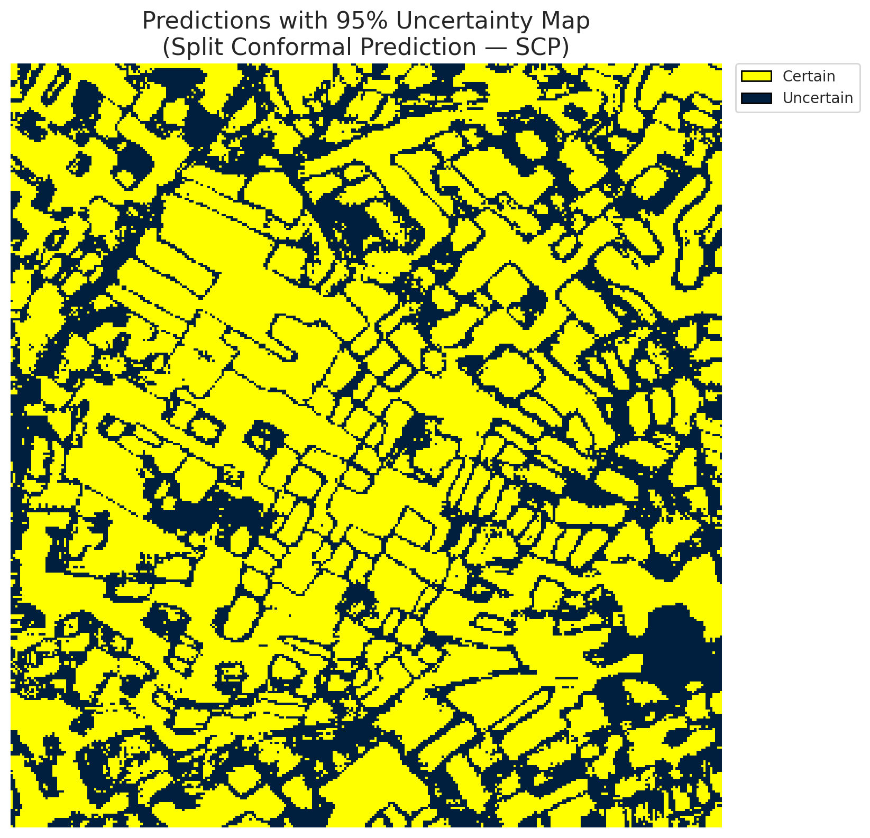
5 | Class 5 | 2135
6 | Class 6 | 1780
7 | Uncertain | 36309

Threshold
q_hat_split
0.067711619437

 |  |  |  |  |  |  |  |  | Class Map with Uncertain Mask
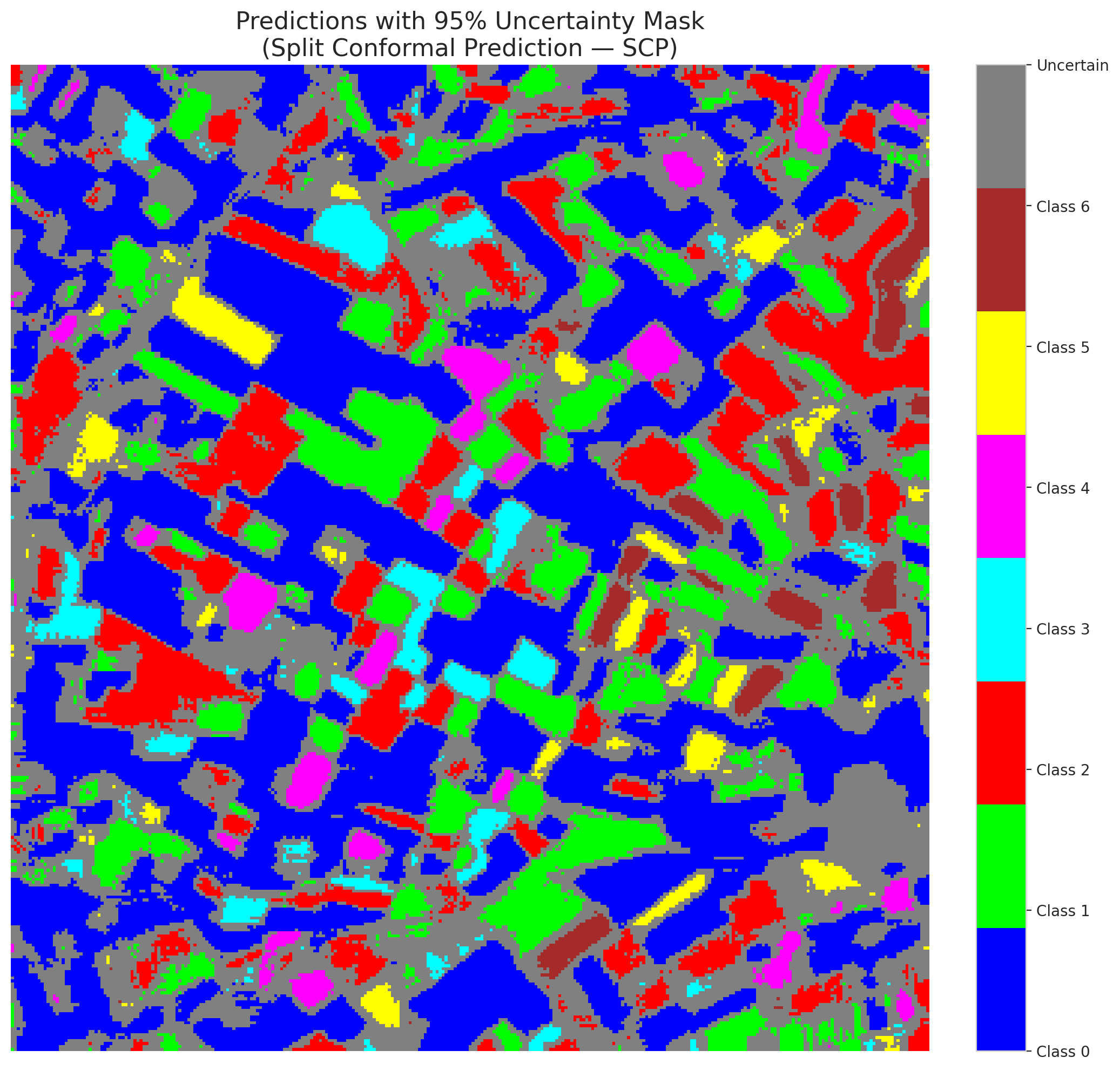

 |  |  |  |  |  |  |  |  | Pixel Counts

ClassCond_MambaSmall
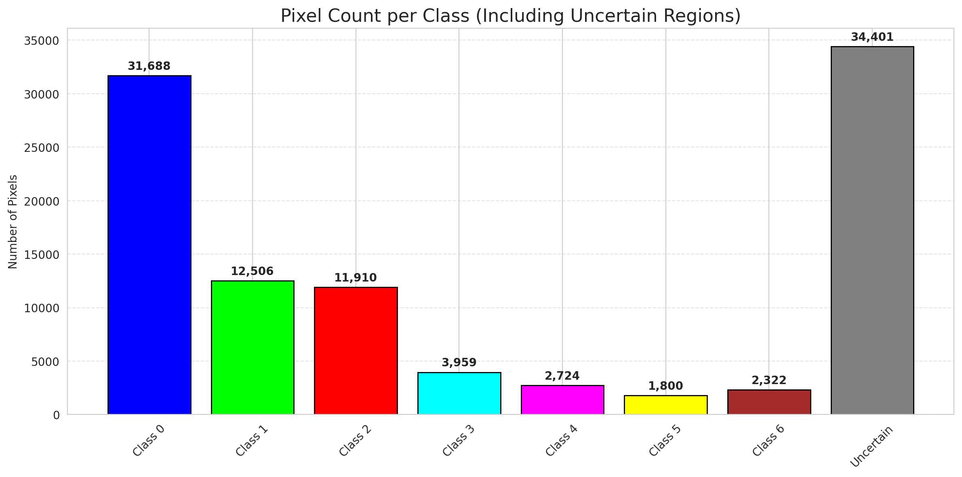
ClassConditionalConformal - MambaSmall |  |  |  |  |  |  |  |  | Per-Class Coverage
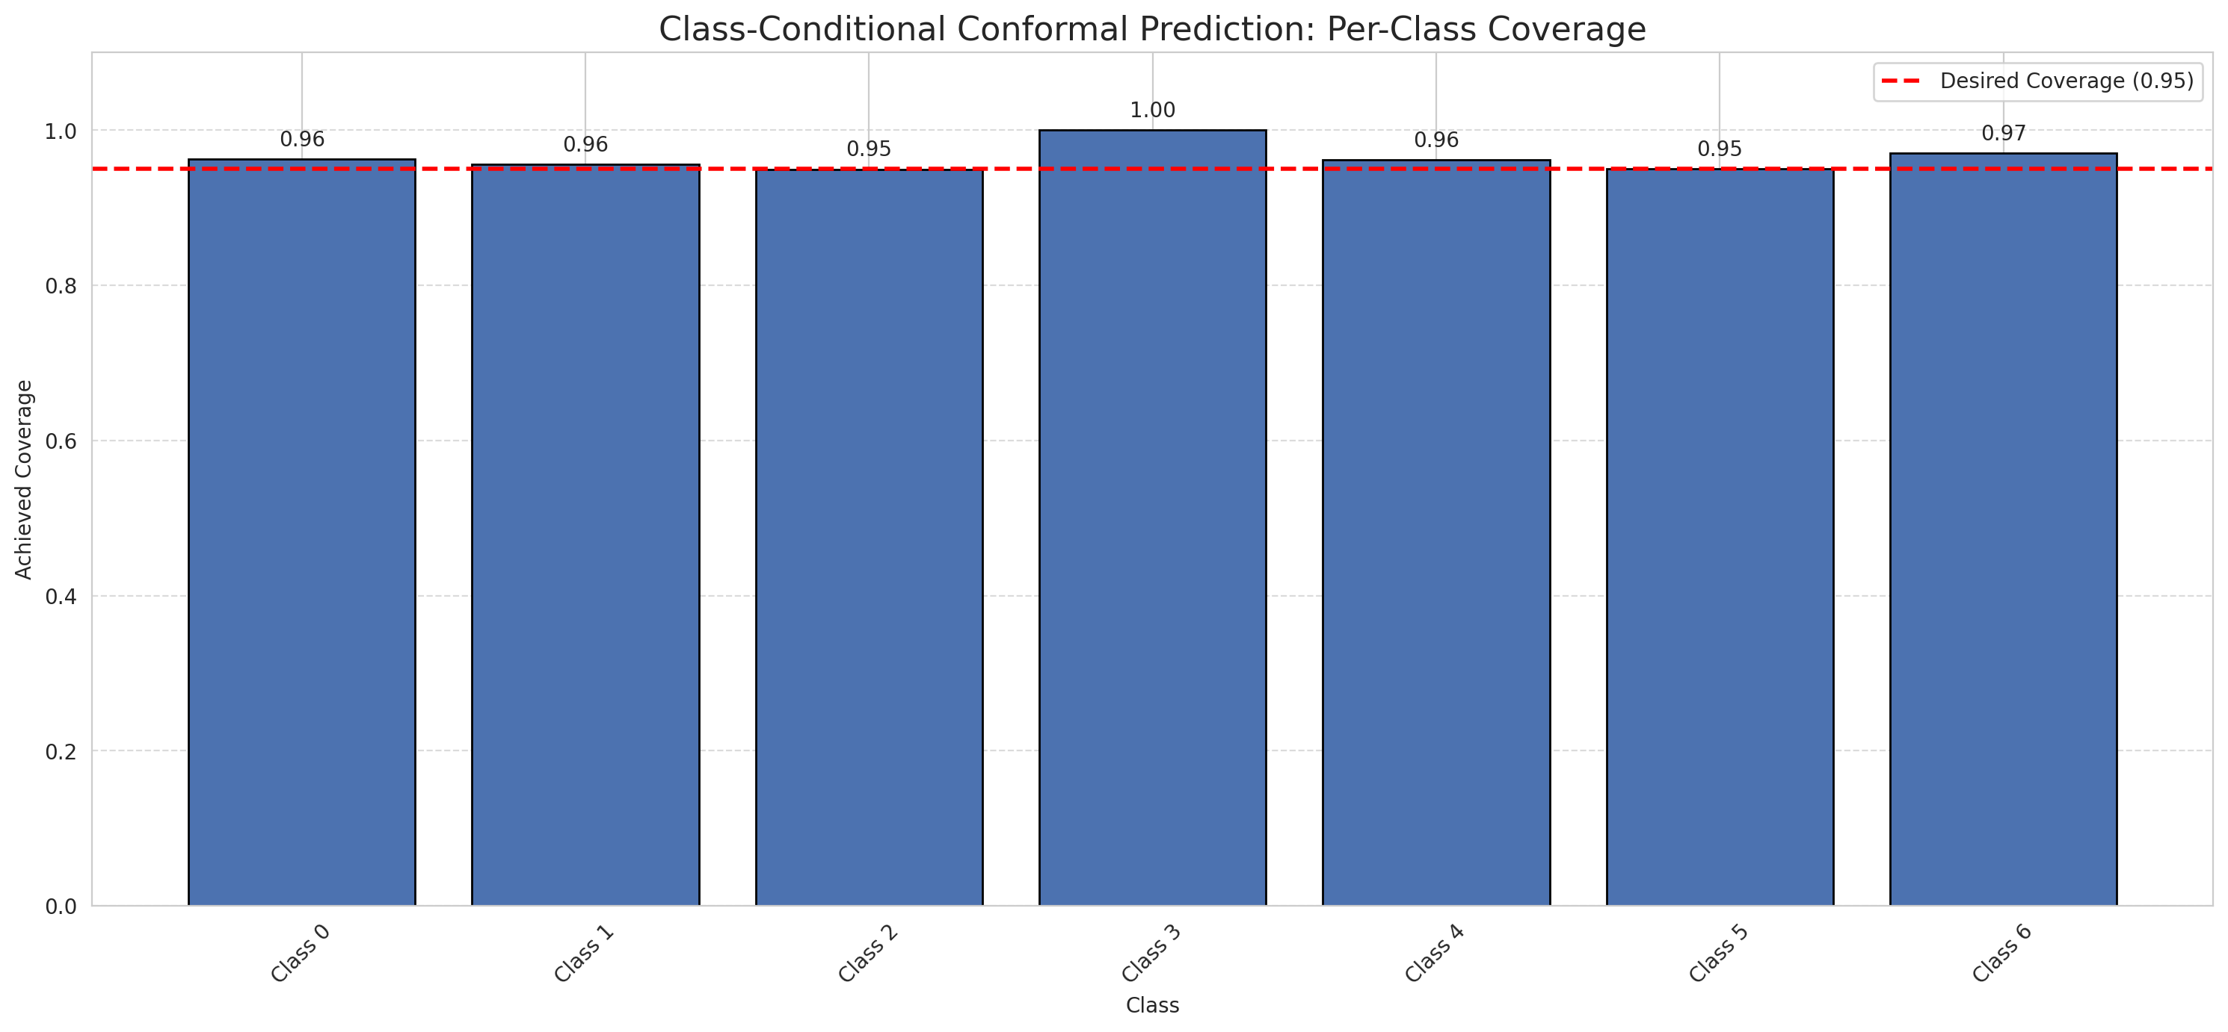
Summary
model_name | method | target_coverage | empirical_coverage | avg_set_size | median_set_size | singleton_rate | empty_set_rate | runtime_sec | alpha | lam | n_clusters | mean_per_class_coverage
MambaSmall | ClassConditionalConformal | 0.95 | 0.96148491879 | 0.96148491879 | 1 | 0.96148491879 | 0.038515081206 | 1.507854923 | 0.05 |  |  | 0.9644414898

Per-Class Coverage Values
class_id | class_coverage | support_count
0 | 0.96280087527 | 914
1 | 0.95594713656 | 454
2 | 0.94972067039 | 358
3 | 1 | 156
4 | 0.96153846154 | 104
5 | 0.9504950495 | 101
6 | 0.97058823529 | 68

Pixel Counts
class_id | label | pixel_count
0 | Class 0 | 31688
1 | Class 1 | 12506
2 | Class 2 | 11910
3 | Class 3 | 3959
4 | Class 4 | 2724 |  |  |  |  |  |  | Certain vs Uncertain Map
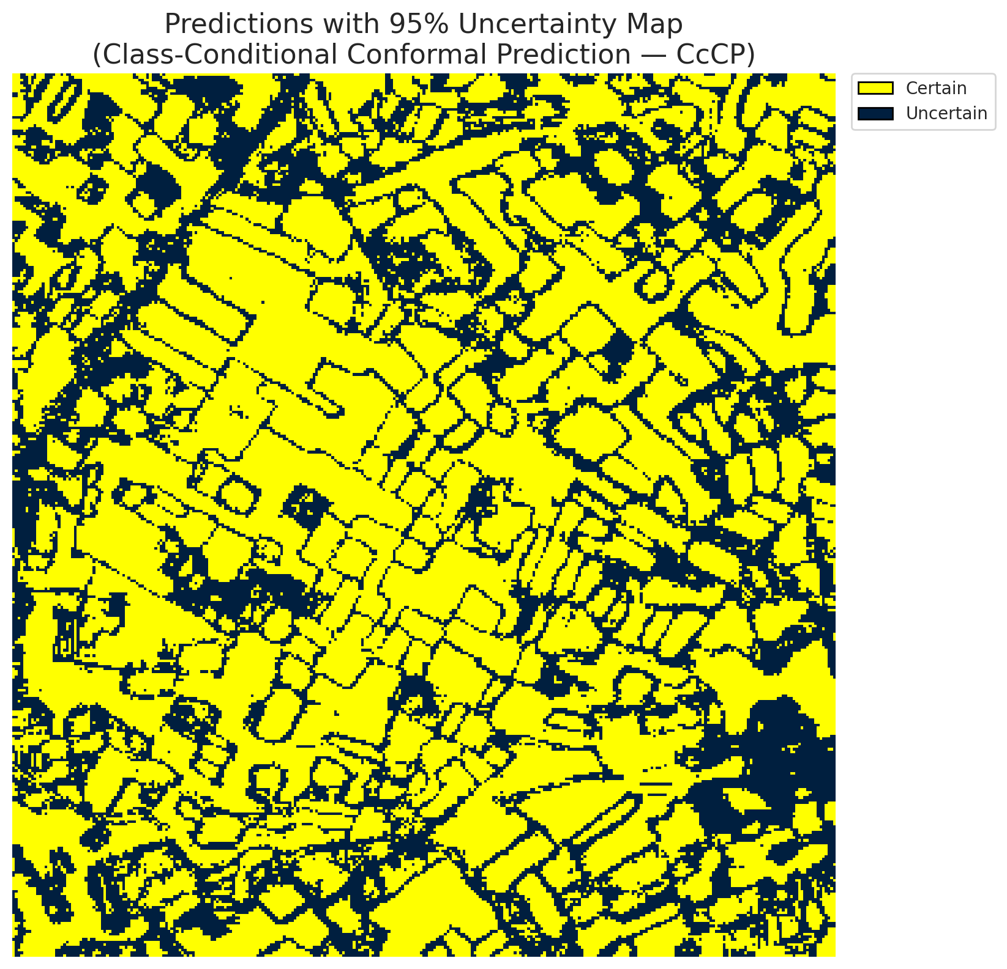
5 | Class 5 | 1800
6 | Class 6 | 2322
7 | Uncertain | 34401

Classwise q_hat
class_id | q_hat_classconditional
0 | 0.03692061826
1 | 0.14346299978
2 | 0.098713782484
3 | 0.26093925371
4 | 0.12345792679
5 | 0.042232488332
6 | 0.21830390883

 |  |  |  |  |  |  |  |  | Class Map with Uncertain Mask
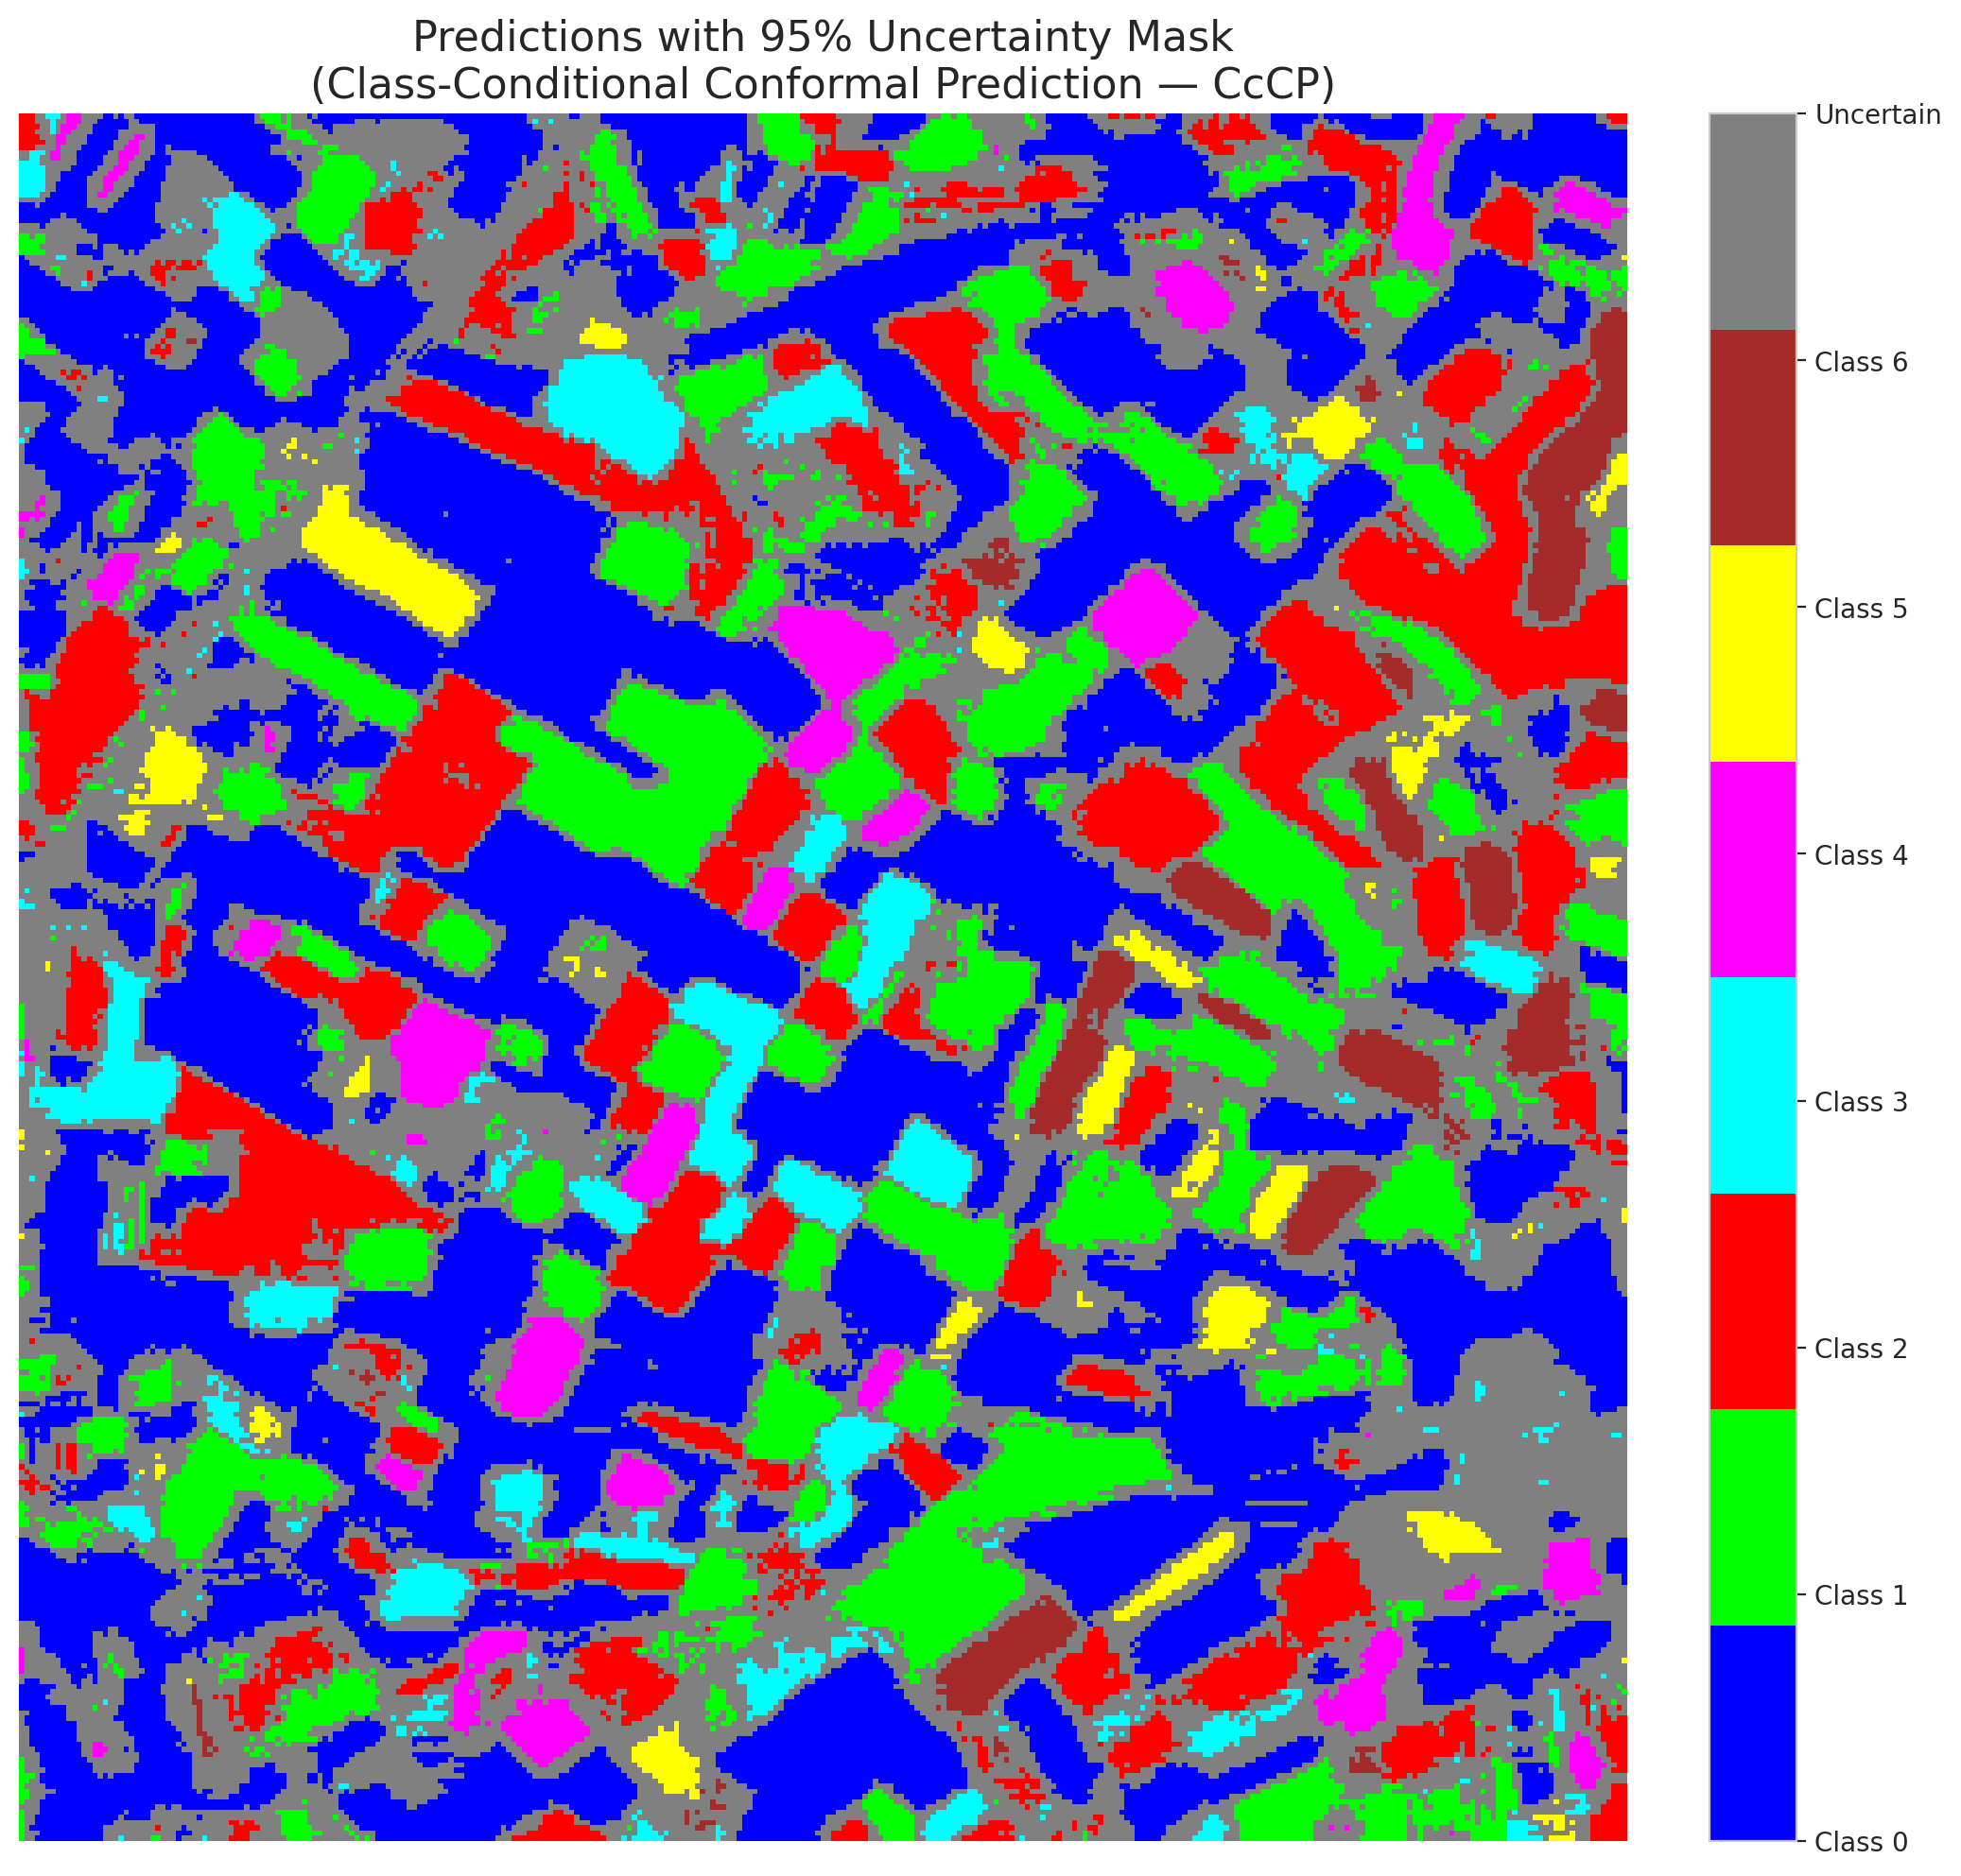

 |  |  |  |  |  |  |  |  | Pixel Counts

RC3P_MambaSmall
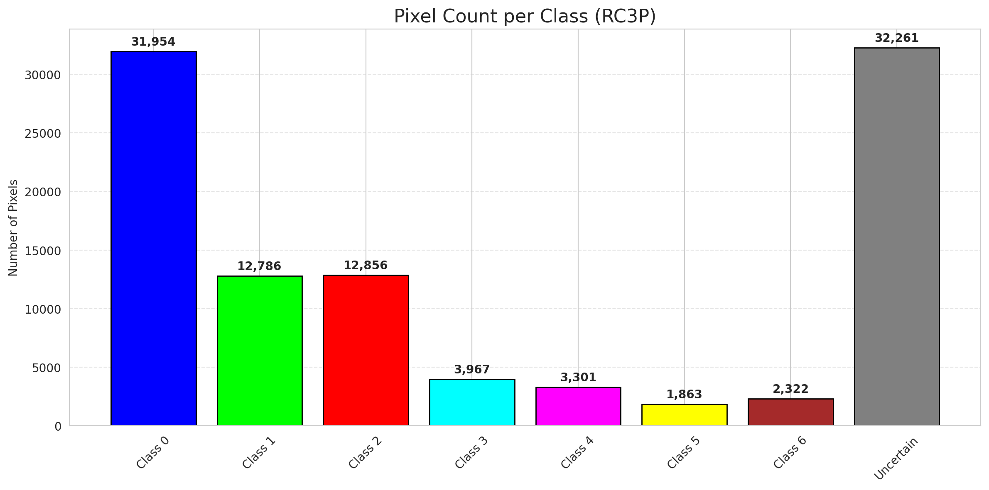
RC3P - MambaSmall |  |  |  |  |  |  |  |  | Per-Class Coverage
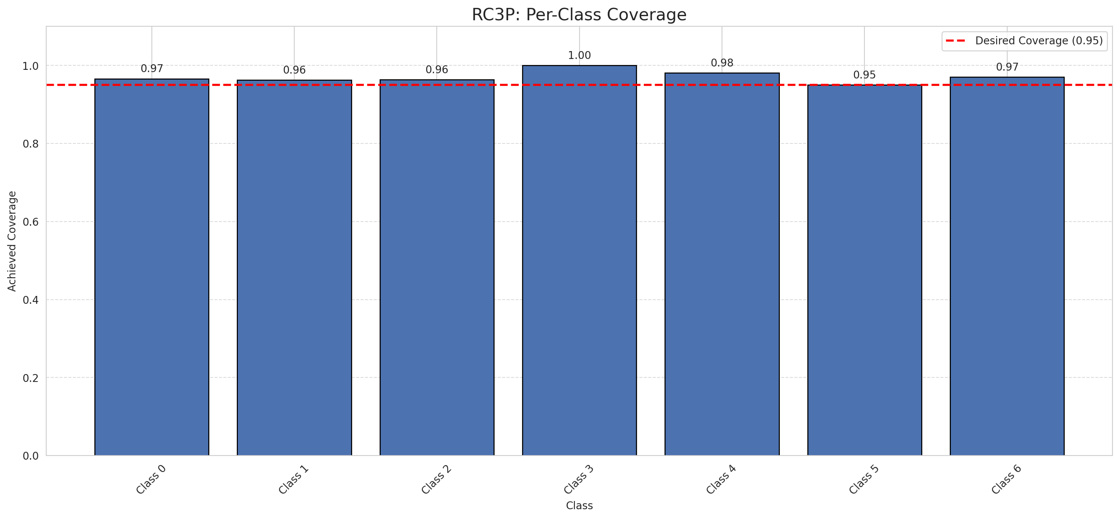
Summary
model_name | method | target_coverage | empirical_coverage | avg_set_size | median_set_size | singleton_rate | empty_set_rate | runtime_sec | alpha | lam | n_clusters | mean_per_class_coverage
MambaSmall | RC3P | 0.95 | 0.96751740139 | 0.96751740139 | 1 | 0.96751740139 | 0.032482598608 | 1.472184208 | 0.05 |  |  | 0.9705968405

Per-Class Coverage Values
class_id | class_coverage | support_count
0 | 0.96608315098 | 914
1 | 0.96255506608 | 454
2 | 0.96368715084 | 358
3 | 1 | 156
4 | 0.98076923077 | 104
5 | 0.9504950495 | 101
6 | 0.97058823529 | 68

Pixel Counts
class_id | label | pixel_count
0 | Class 0 | 31954
1 | Class 1 | 12786
2 | Class 2 | 12856
3 | Class 3 | 3967
4 | Class 4 | 3301 |  |  |  |  |  |  | Certain vs Uncertain Map
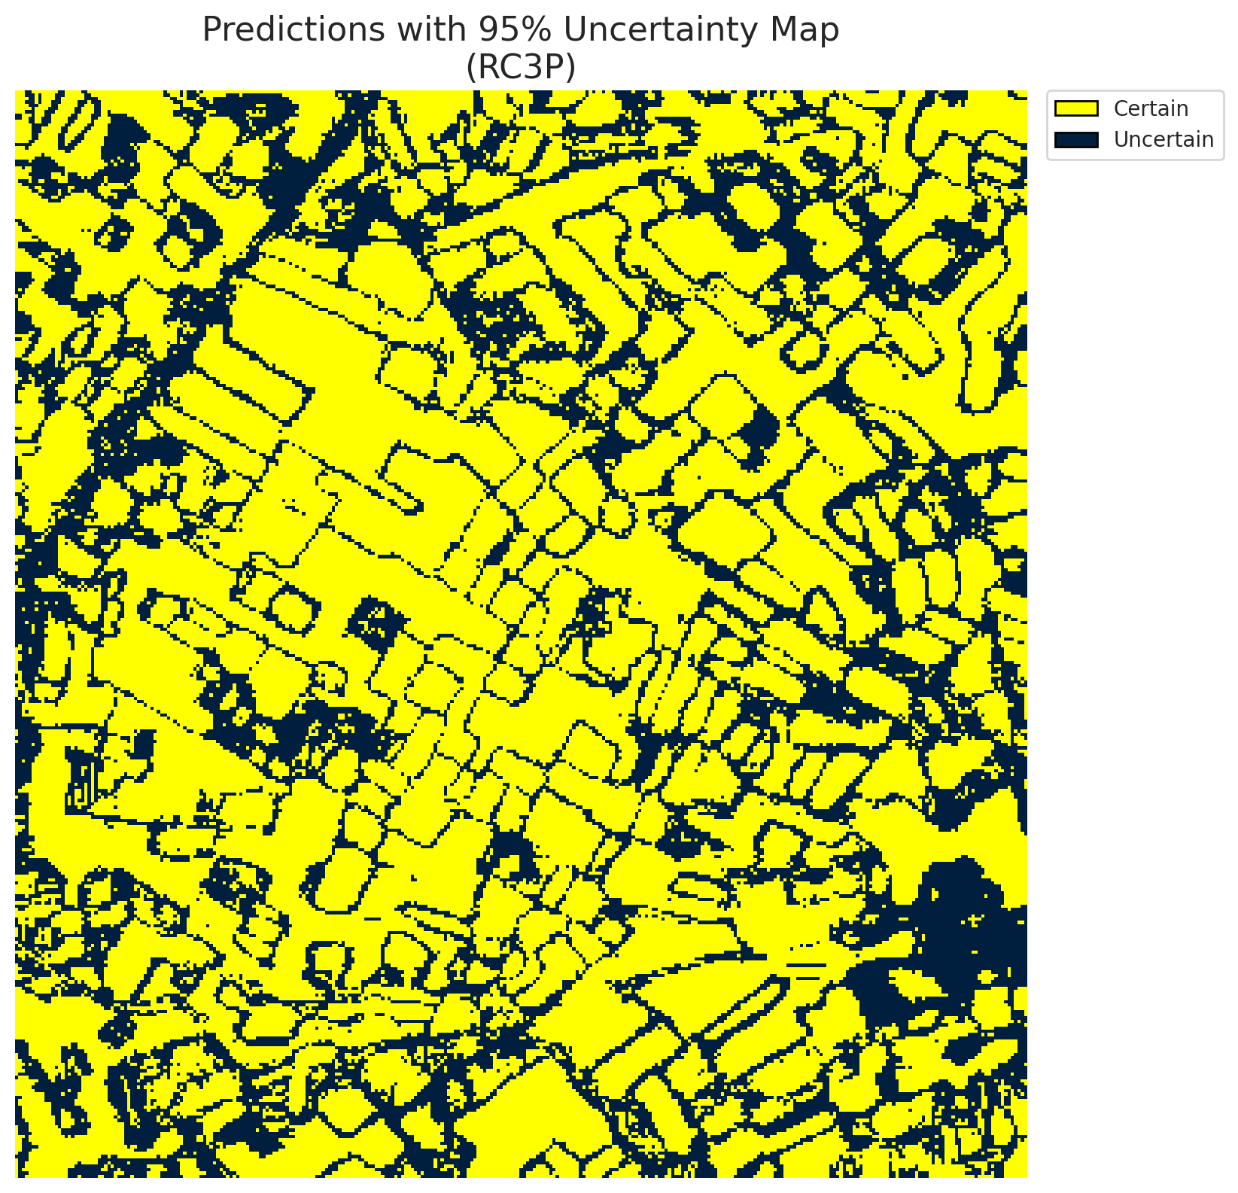
5 | Class 5 | 1863
6 | Class 6 | 2322
7 | Uncertain | 32261

RC3P Thresholds & Limits
class_id | q_hat_rc3p | suit_index_limit
0 | 0.038559452244 | 1
1 | 0.15577976117 | 1
2 | 0.1410650191 | 1
3 | 0.26187122281 | 1
4 | 0.25808762933 | 1
5 | 0.046328794152 | 1
6 | 0.21830390883 | 1

 |  |  |  |  |  |  |  |  | Class Map with Uncertain Mask


 |  |  |  |  |  |  |  |  | Pixel Counts

Clustered_MambaSmall
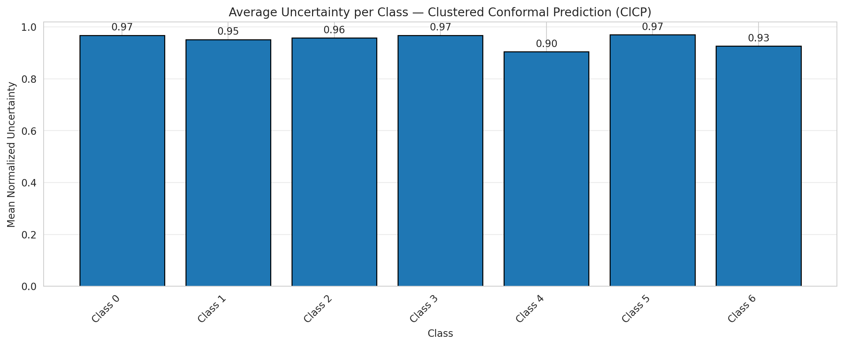
ClusteredConformal - MambaSmall |  |  |  |  |  |  |  |  | Per-Class Coverage
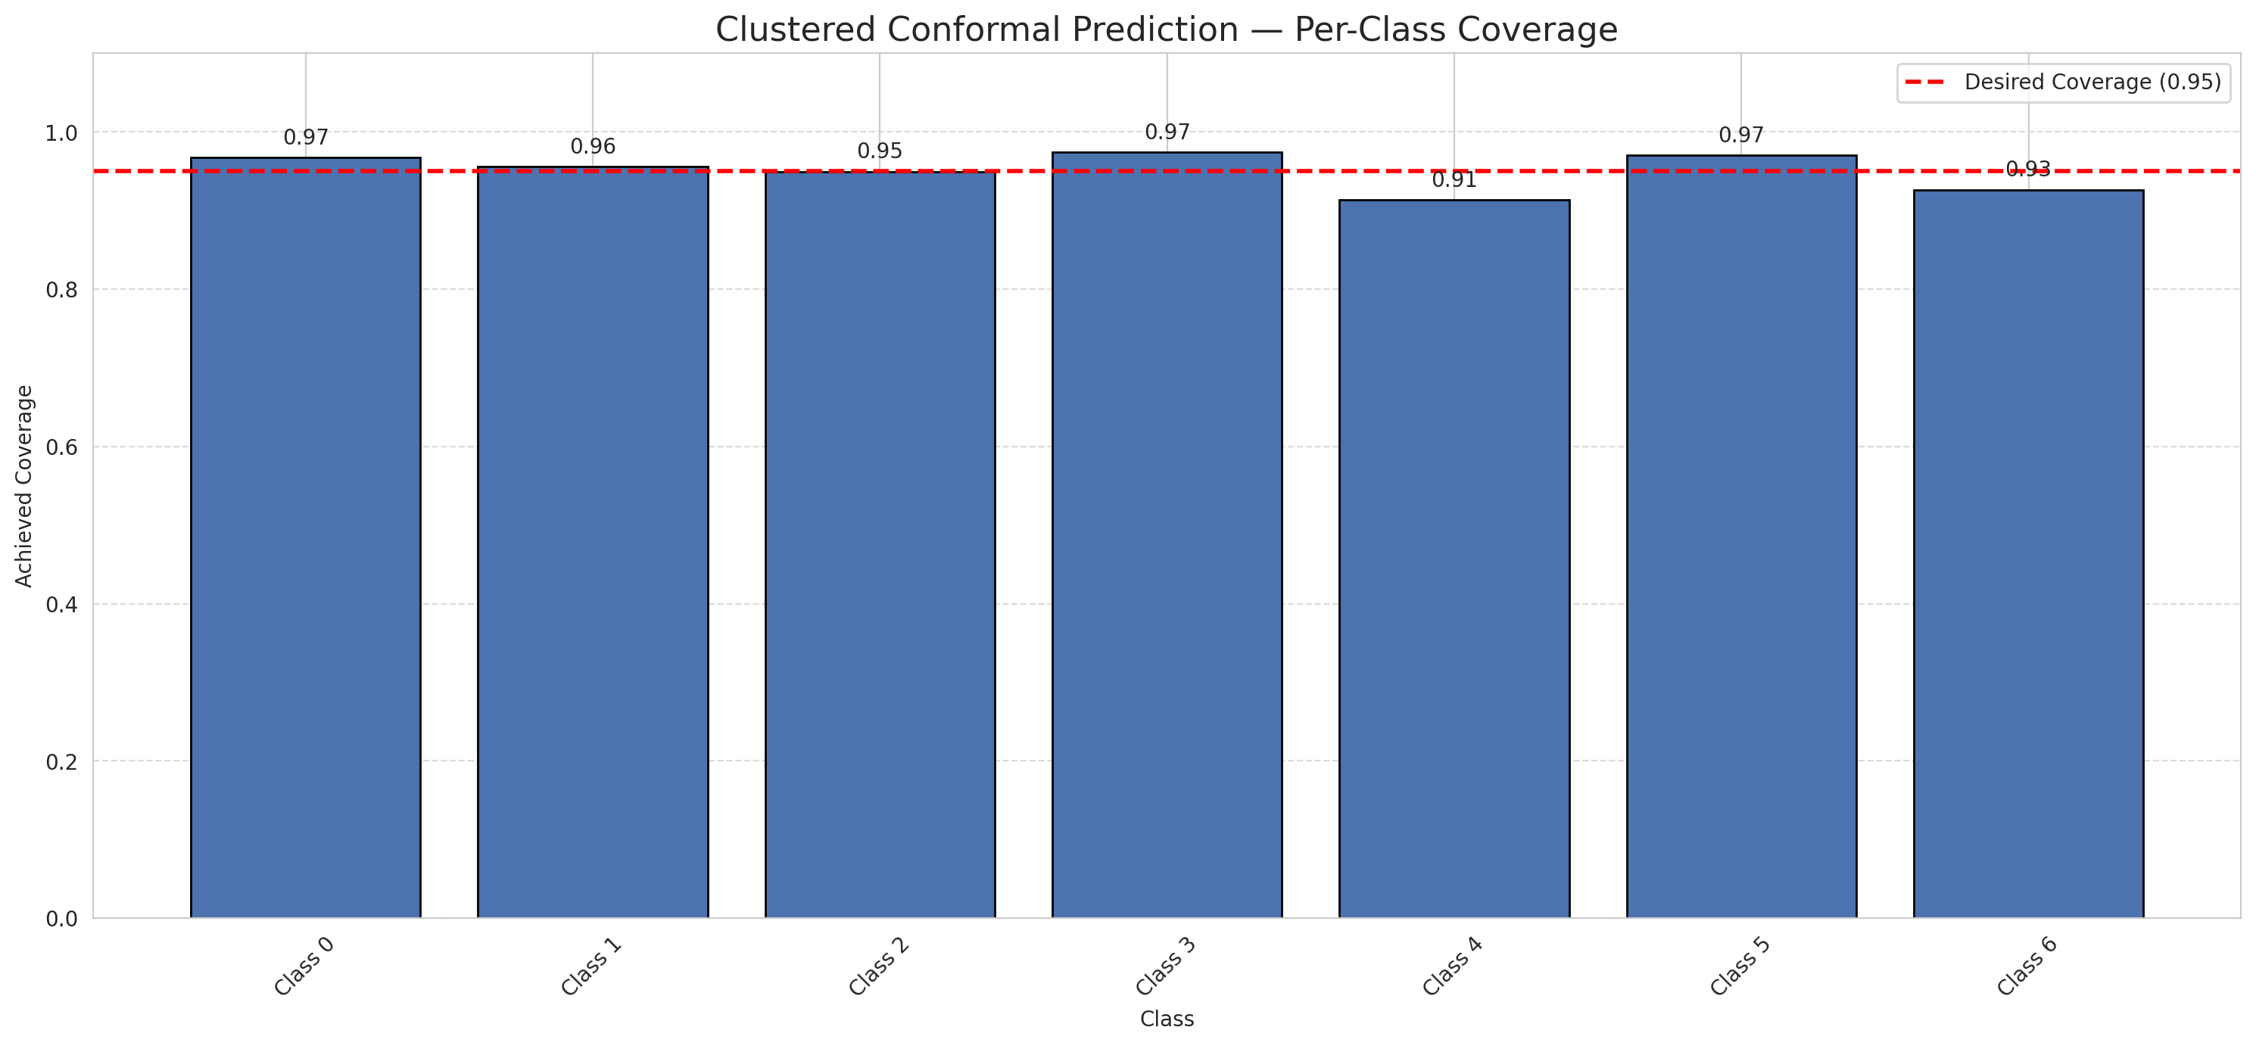
Summary
model_name | method | target_coverage | empirical_coverage | avg_set_size | median_set_size | singleton_rate | empty_set_rate | runtime_sec | alpha | lam | n_clusters | mean_per_class_coverage
MambaSmall | ClusteredConformal | 0.95 | 0.95870069606 | 0.95870069606 | 1 | 0.95870069606 | 0.041299303944 | 5.80278859 | 0.05 |  | 4 | 0.95106188294

Per-Class Coverage Values
class_id | class_coverage | support_count
0 | 0.96717724289 | 914
1 | 0.95594713656 | 454
2 | 0.94972067039 | 358
3 | 0.97435897436 | 156
4 | 0.91346153846 | 104
5 | 0.9702970297 | 101
6 | 0.92647058824 | 68

Class-to-Cluster Assignment
class_id | cluster_id
0 | 0
1 | 1
2 | 3
3 | 3
4 | 0 |  |  |  |  |  |  |  | Uncertainty Distribution
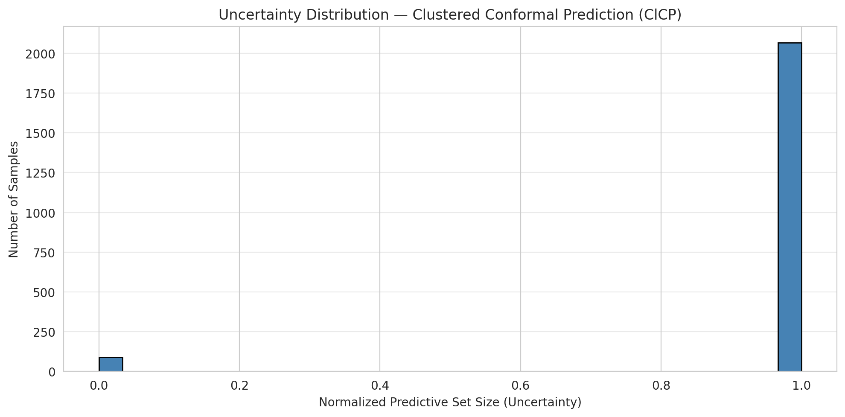
5 | 2
6 | 2

Cluster q_hat
cluster_id | q_hat_cluster
0 | 0.039846541062
1 | 0.14346299978
2 | 0.09311502524
3 | 0.096334437304

Cluster Mean Uncertainty
cluster | uncertainty
0 | 0.96168958743
1 | 0.95175438596
2 | 0.95266272189
3 | 0.9609375

Class Mean Uncertainty
class_id | uncertainty
0 | 0.96823658269
1 | 0.95175438596 |  |  |  |  |  |  |  | Avg Uncertainty per Cluster
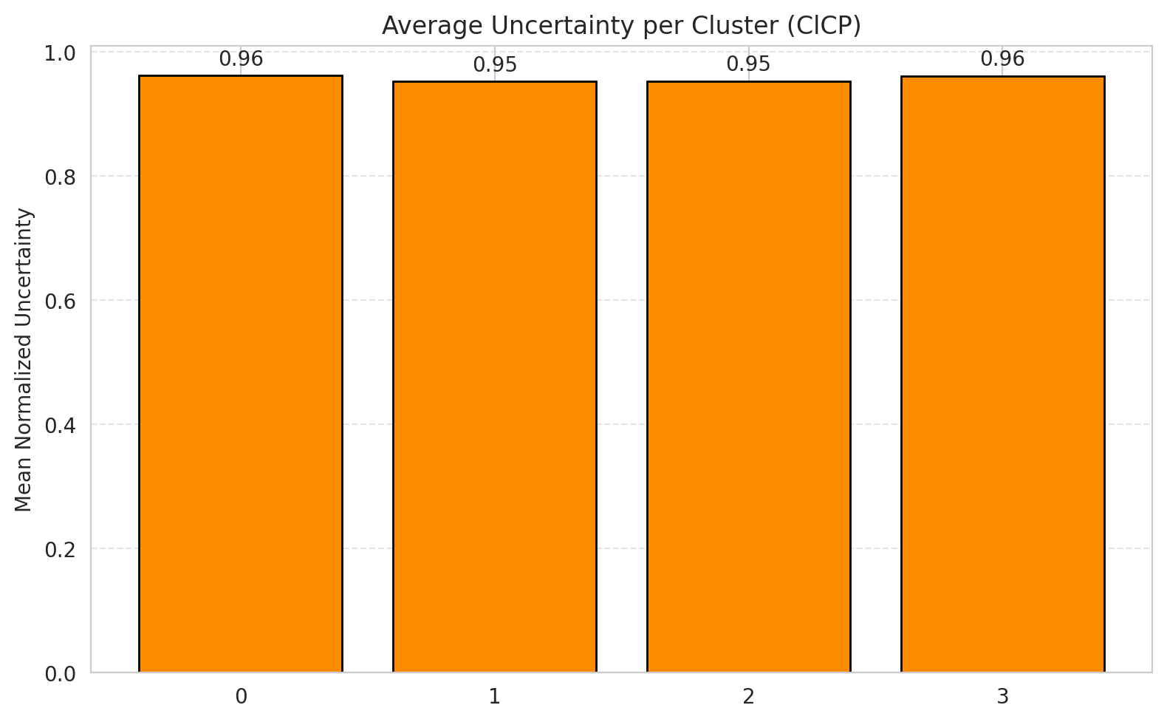
2 | 0.95774647887
3 | 0.96815286624
4 | 0.90476190476
5 | 0.9702970297
6 | 0.92647058824

 |  |  |  |  |  |  |  |  | Avg Uncertainty per Class

RAPS_MambaSmall
RAPS - MambaSmall |  |  |  |  |  |  |  |  | Per-Class Coverage
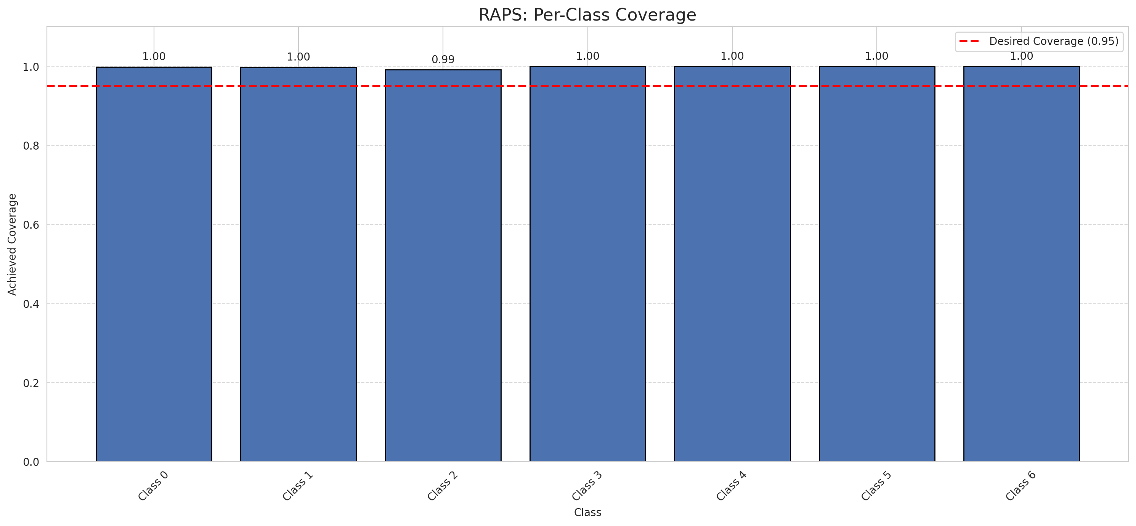
Summary
model_name | method | target_coverage | empirical_coverage | avg_set_size | median_set_size | singleton_rate | empty_set_rate | runtime_sec | alpha | lam | n_clusters | mean_per_class_coverage
MambaSmall | RAPS | 0.95 | 0.99767981439 | 1 | 1 | 1 | 0 | 0.377798947 | 0.05 | 0.01 |  | 0.99833191095

Per-Class Coverage Values
class_id | class_coverage | support_count
0 | 0.9989059081 | 914
1 | 0.99779735683 | 454
2 | 0.99162011173 | 358
3 | 1 | 156
4 | 1 | 104
5 | 1 | 101
6 | 1 | 68

RAPS Parameters
q_hat_raps | lambda | k_reg
0 | 0.01 | 1

Split_MambaBase
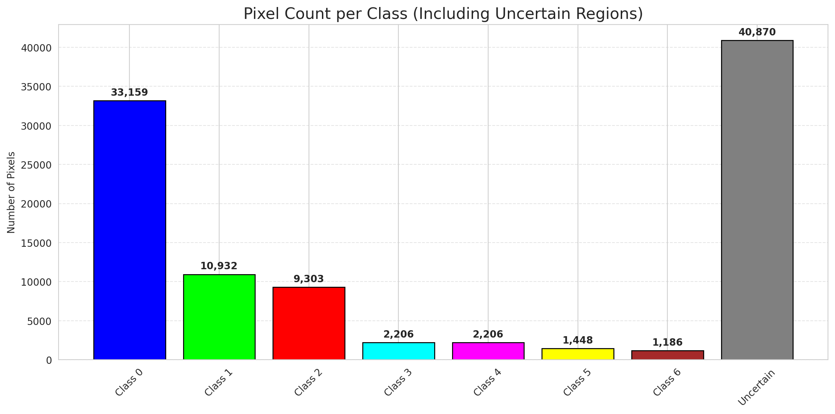
SplitConformal - MambaBase |  |  |  |  |  |  |  |  | Per-Class Coverage
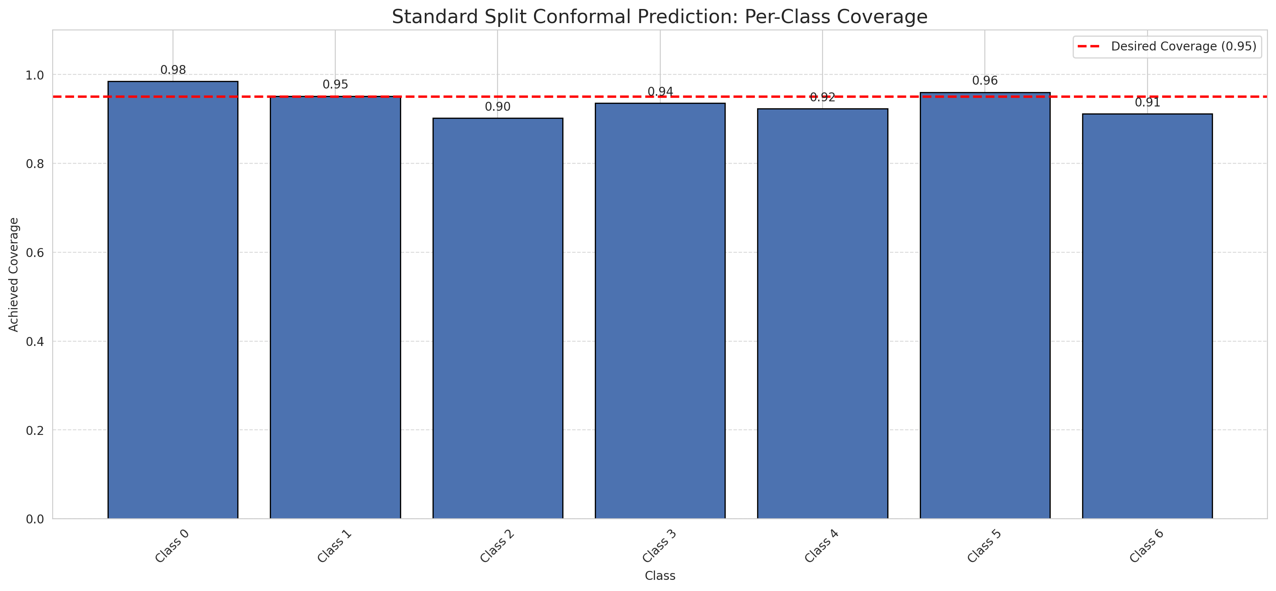
Summary
model_name | method | target_coverage | empirical_coverage | avg_set_size | median_set_size | singleton_rate | empty_set_rate | runtime_sec | alpha | lam | n_clusters | mean_per_class_coverage
MambaBase | SplitConformal | 0.95 | 0.95406032483 | 0.95406032483 | 1 | 0.95406032483 | 0.045939675174 | 1.57776607 | 0.05 |  |  | 0.93851347213

Per-Class Coverage Values
class_id | class_coverage | support_count
0 | 0.98468271335 | 914
1 | 0.95154185022 | 454
2 | 0.90223463687 | 358
3 | 0.9358974359 | 156
4 | 0.92307692308 | 104
5 | 0.9603960396 | 101
6 | 0.91176470588 | 68

Pixel Counts
class_id | label | pixel_count
0 | Class 0 | 33159
1 | Class 1 | 10932
2 | Class 2 | 9303
3 | Class 3 | 2206
4 | Class 4 | 2206 |  |  |  |  |  |  | Certain vs Uncertain Map
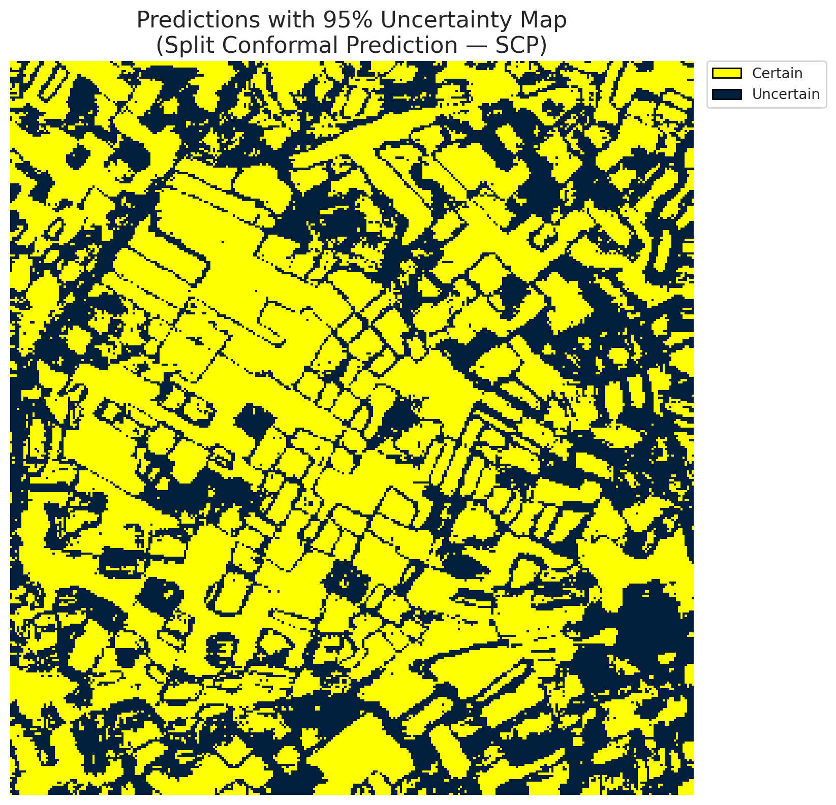
5 | Class 5 | 1448
6 | Class 6 | 1186
7 | Uncertain | 40870

Threshold
q_hat_split
0.031417871623

 |  |  |  |  |  |  |  |  | Class Map with Uncertain Mask
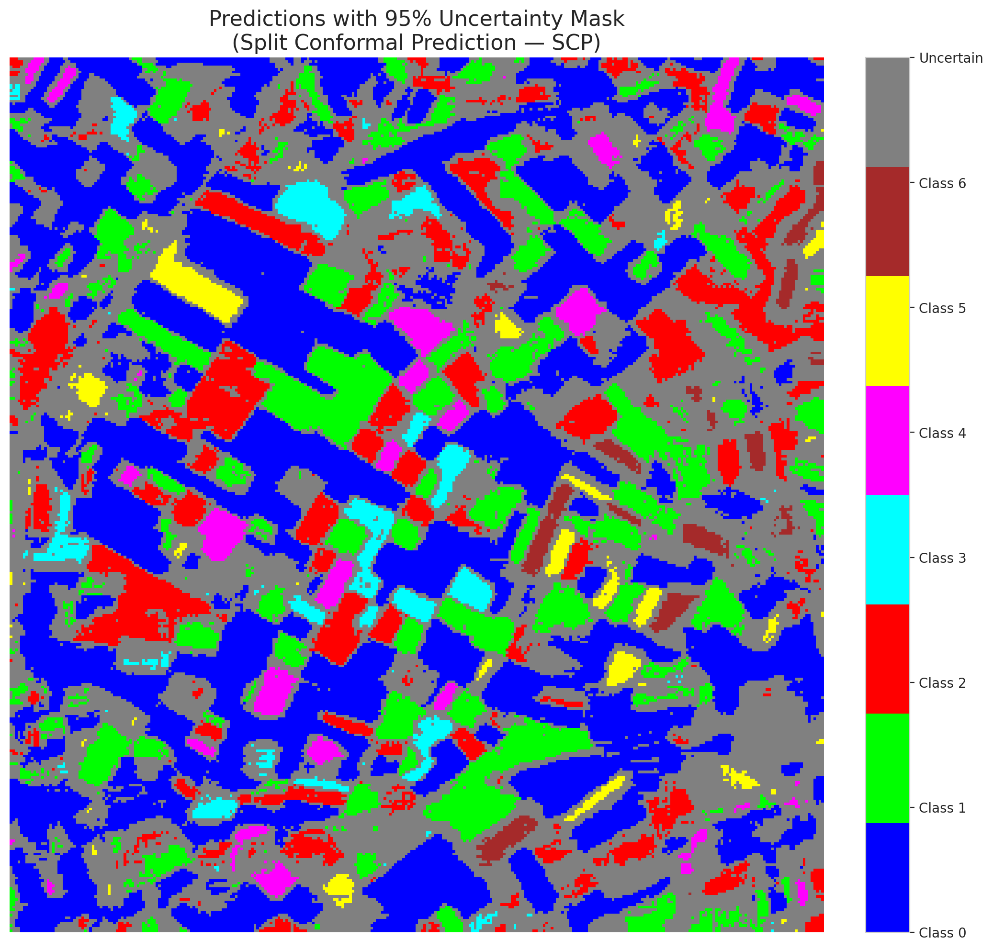

 |  |  |  |  |  |  |  |  | Pixel Counts

ClassCond_MambaBase
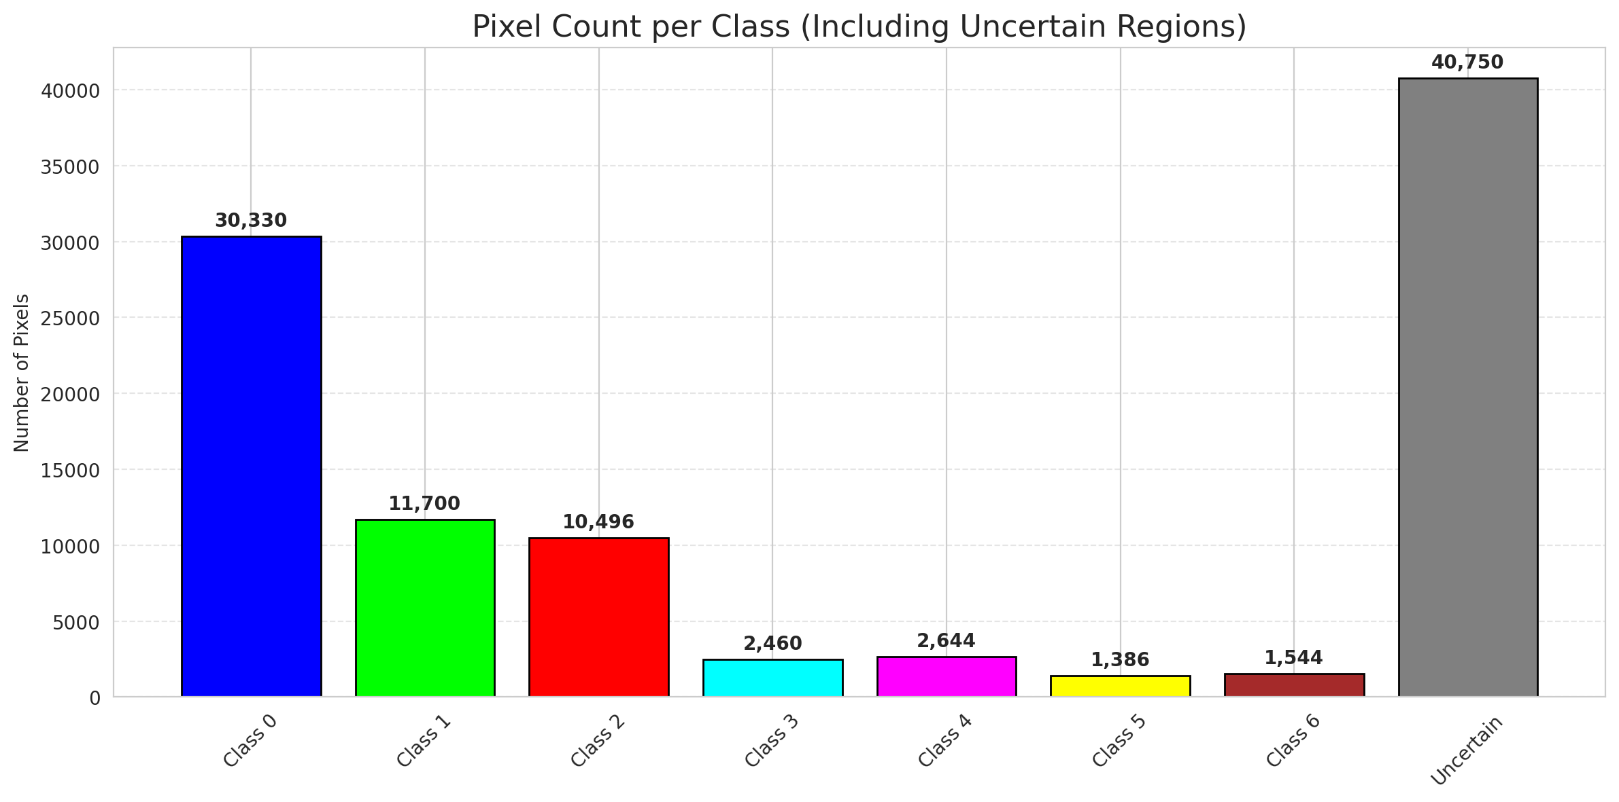
ClassConditionalConformal - MambaBase |  |  |  |  |  |  |  |  | Per-Class Coverage
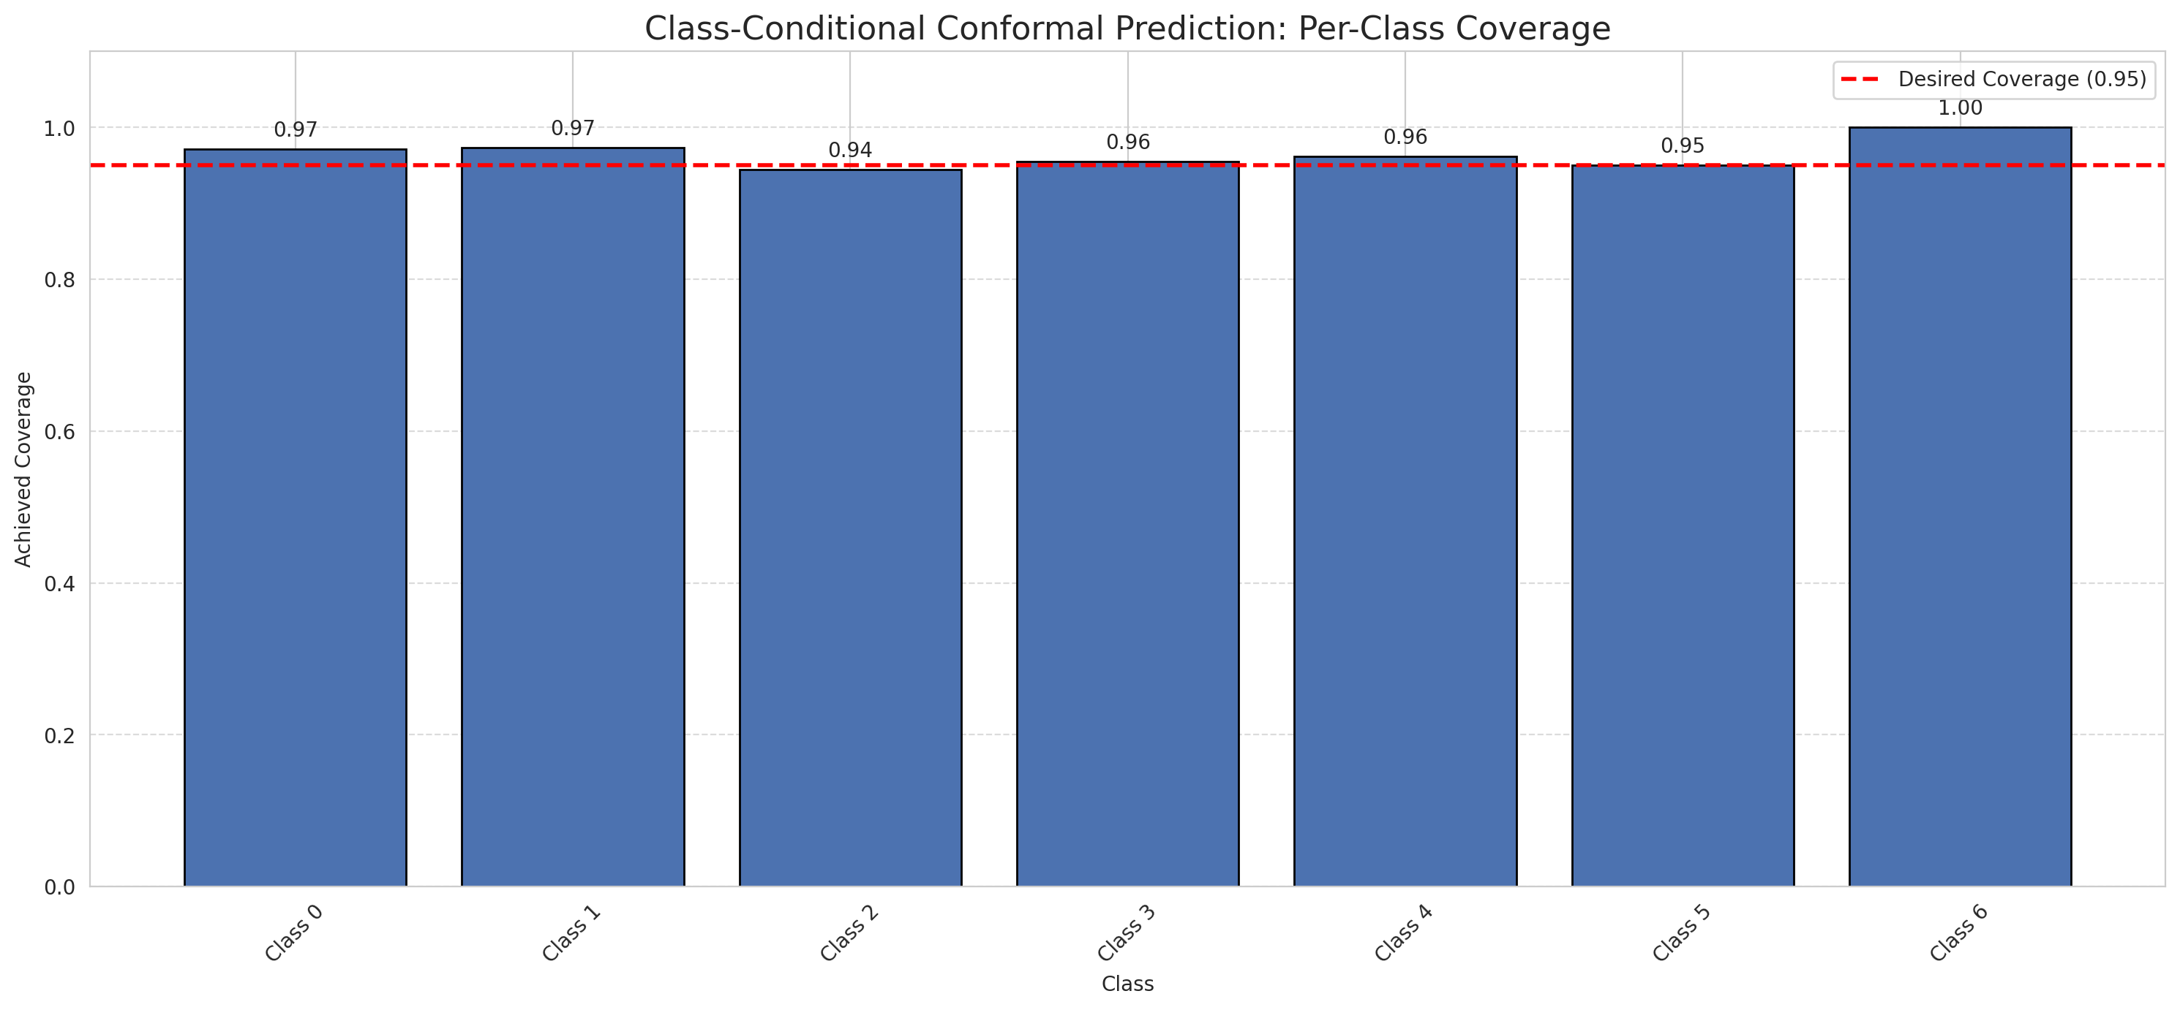
Summary
model_name | method | target_coverage | empirical_coverage | avg_set_size | median_set_size | singleton_rate | empty_set_rate | runtime_sec | alpha | lam | n_clusters | mean_per_class_coverage
MambaBase | ClassConditionalConformal | 0.95 | 0.9656612529 | 0.9656612529 | 1 | 0.9656612529 | 0.0343387471 | 1.523568821 | 0.05 |  |  | 0.96520252669

Per-Class Coverage Values
class_id | class_coverage | support_count
0 | 0.9715536105 | 914
1 | 0.97356828194 | 454
2 | 0.94413407821 | 358
3 | 0.95512820513 | 156
4 | 0.96153846154 | 104
5 | 0.9504950495 | 101
6 | 1 | 68

Pixel Counts
class_id | label | pixel_count
0 | Class 0 | 30330
1 | Class 1 | 11700
2 | Class 2 | 10496
3 | Class 3 | 2460
4 | Class 4 | 2644 |  |  |  |  |  |  | Certain vs Uncertain Map
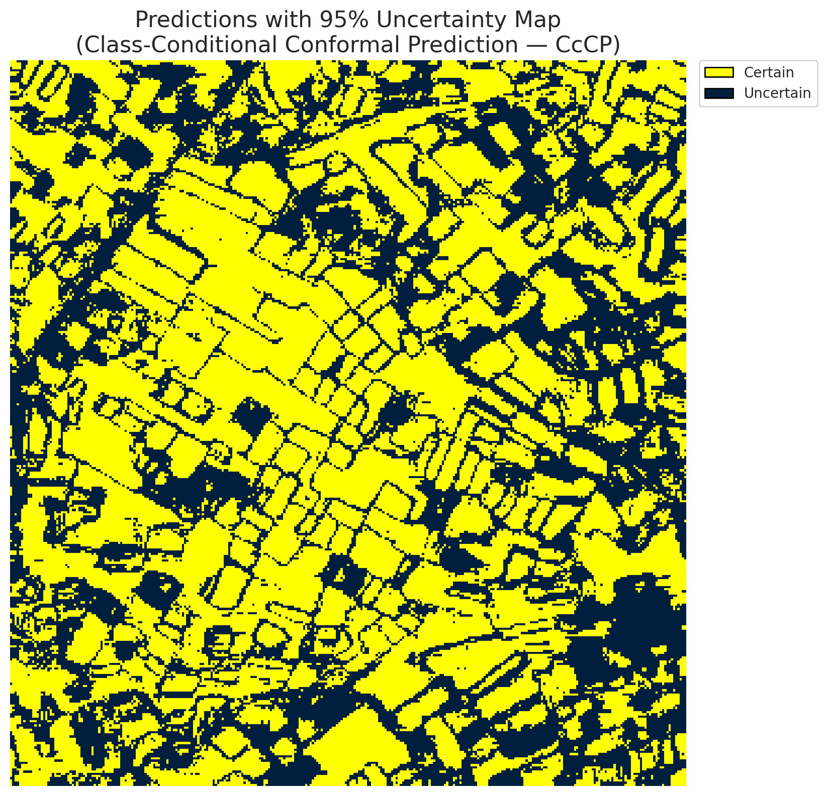
5 | Class 5 | 1386
6 | Class 6 | 1544
7 | Uncertain | 40750

Classwise q_hat
class_id | q_hat_classconditional
0 | 0.026059871915
1 | 0.037217380162
2 | 0.038760422094
3 | 0.043460940295
4 | 0.053693584385
5 | 0.028775998922
6 | 0.066406429683

 |  |  |  |  |  |  |  |  | Class Map with Uncertain Mask
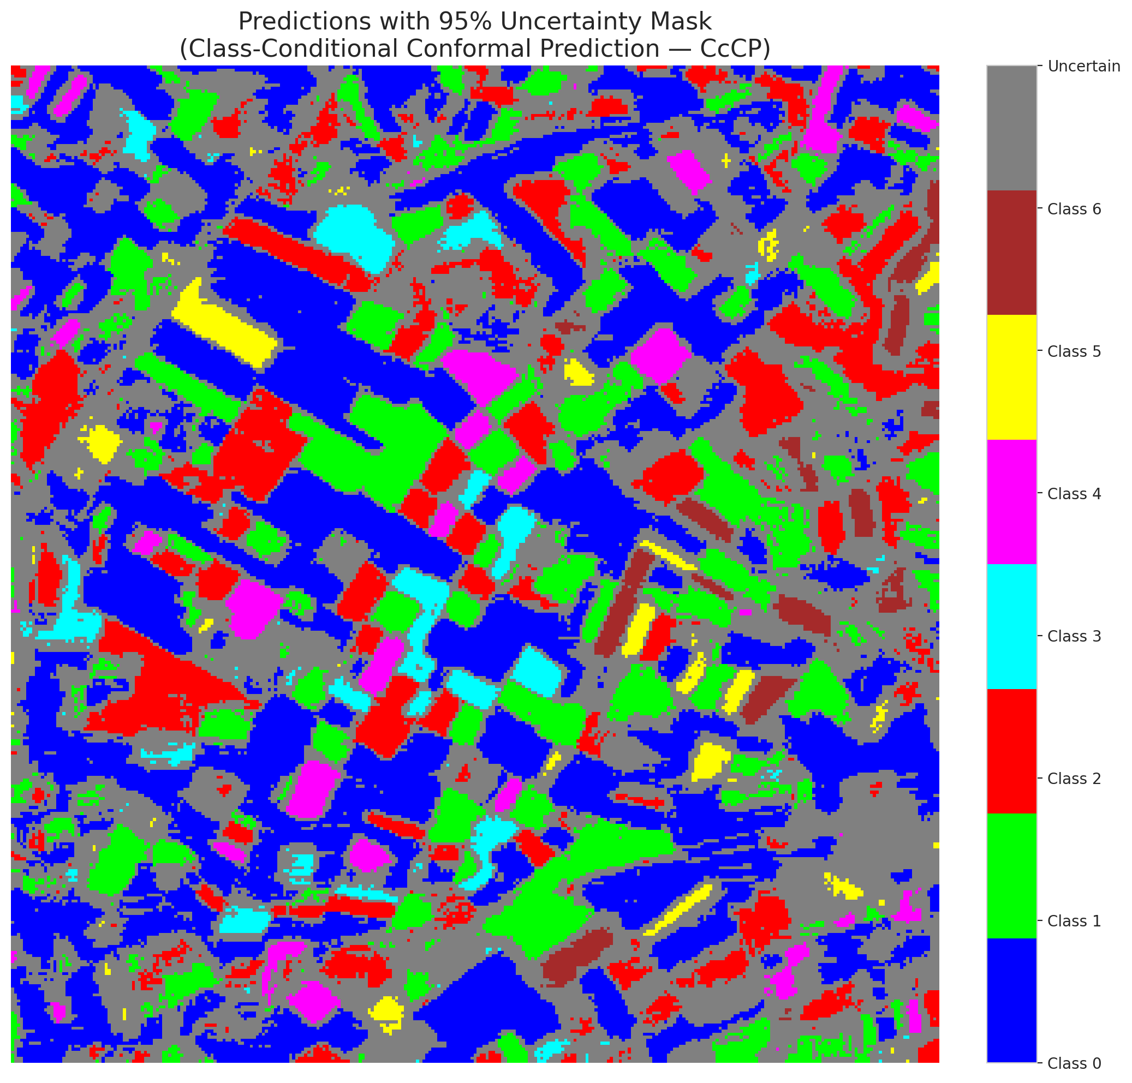

 |  |  |  |  |  |  |  |  | Pixel Counts

RC3P_MambaBase
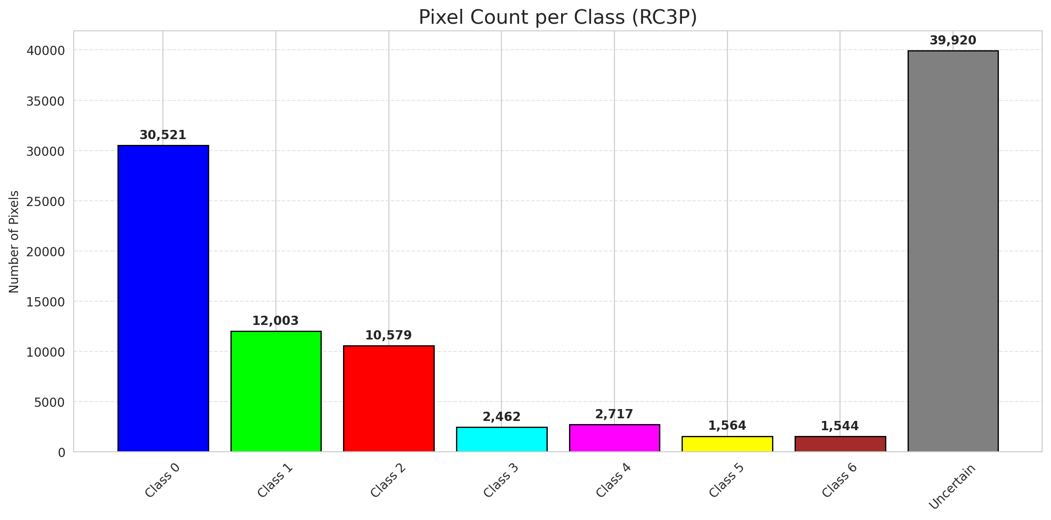
RC3P - MambaBase |  |  |  |  |  |  |  |  | Per-Class Coverage
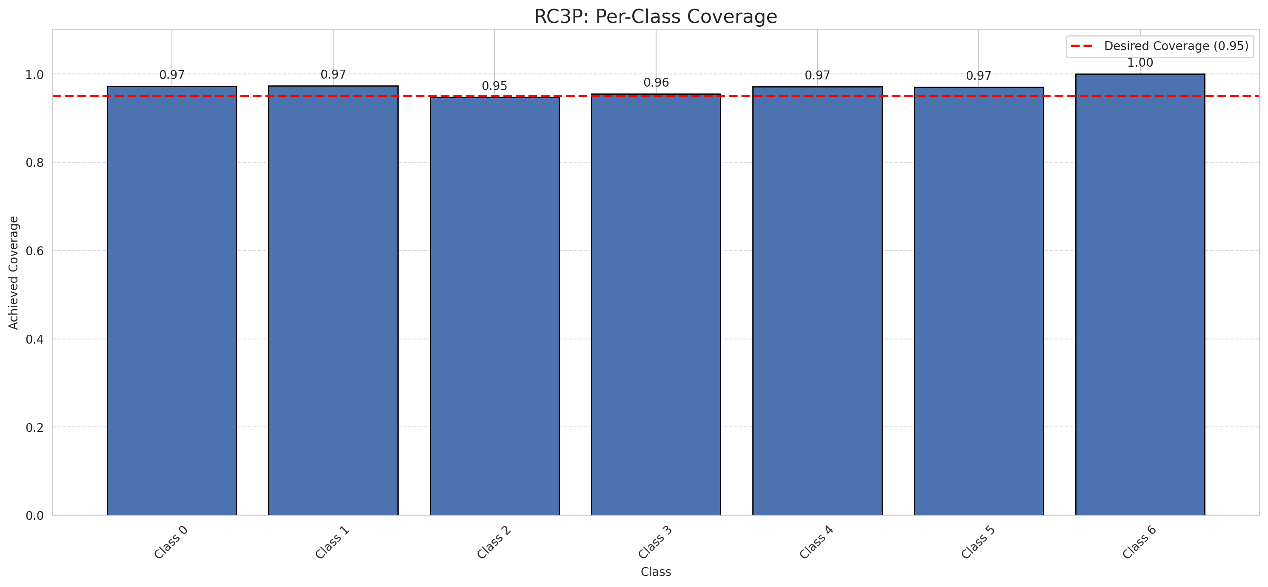
Summary
model_name | method | target_coverage | empirical_coverage | avg_set_size | median_set_size | singleton_rate | empty_set_rate | runtime_sec | alpha | lam | n_clusters | mean_per_class_coverage
MambaBase | RC3P | 0.95 | 0.96798143852 | 0.96798143852 | 1 | 0.96798143852 | 0.032018561485 | 1.520892143 | 0.05 |  |  | 0.96996034852

Per-Class Coverage Values
class_id | class_coverage | support_count
0 | 0.97264770241 | 914
1 | 0.97356828194 | 454
2 | 0.9469273743 | 358
3 | 0.95512820513 | 156
4 | 0.97115384615 | 104
5 | 0.9702970297 | 101
6 | 1 | 68

Pixel Counts
class_id | label | pixel_count
0 | Class 0 | 30521
1 | Class 1 | 12003
2 | Class 2 | 10579
3 | Class 3 | 2462
4 | Class 4 | 2717 |  |  |  |  |  |  | Certain vs Uncertain Map
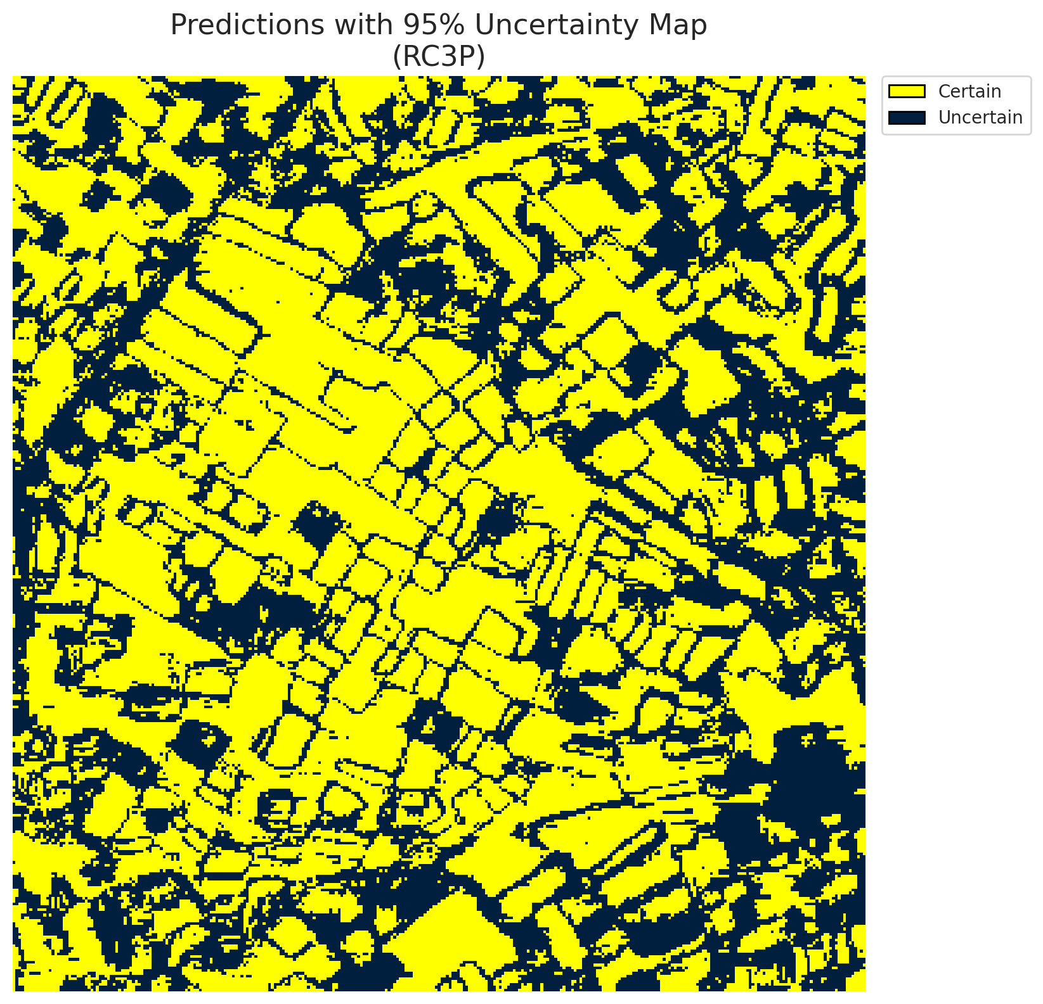
5 | Class 5 | 1564
6 | Class 6 | 1544
7 | Uncertain | 39920

RC3P Thresholds & Limits
class_id | q_hat_rc3p | suit_index_limit
0 | 0.026292745567 | 1
1 | 0.040197646995 | 1
2 | 0.039233221897 | 1
3 | 0.043499695927 | 1
4 | 0.059632793932 | 1
5 | 0.037153442336 | 1
6 | 0.066406429683 | 1

 |  |  |  |  |  |  |  |  | Class Map with Uncertain Mask
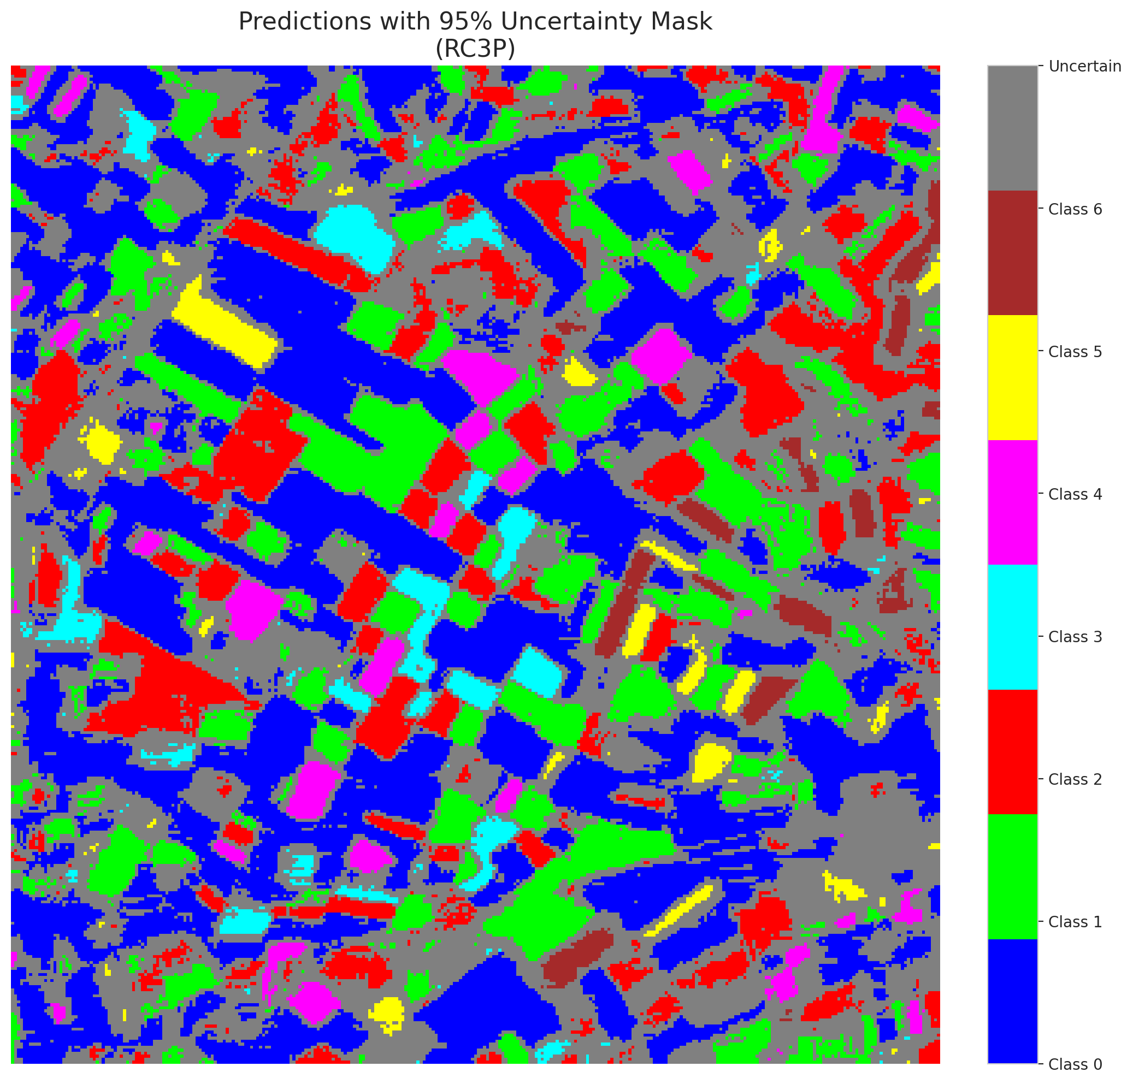

 |  |  |  |  |  |  |  |  | Pixel Counts

Clustered_MambaBase
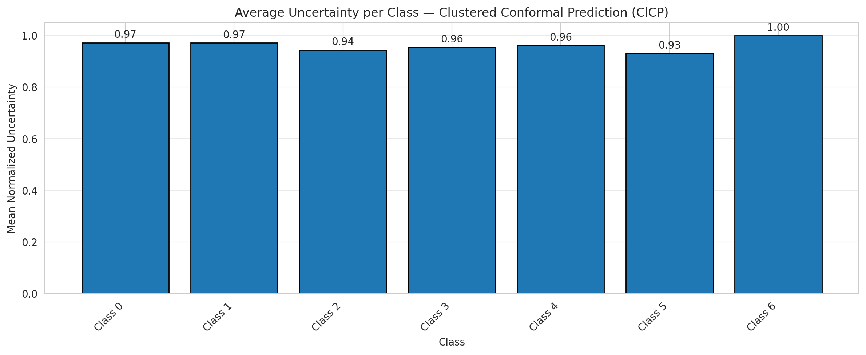
ClusteredConformal - MambaBase |  |  |  |  |  |  |  |  | Per-Class Coverage

Summary
model_name | method | target_coverage | empirical_coverage | avg_set_size | median_set_size | singleton_rate | empty_set_rate | runtime_sec | alpha | lam | n_clusters | mean_per_class_coverage
MambaBase | ClusteredConformal | 0.95 | 0.96473317865 | 0.96473317865 | 1 | 0.96473317865 | 0.035266821346 | 6.608338047 | 0.05 |  | 4 | 0.96237367238

Per-Class Coverage Values
class_id | class_coverage | support_count
0 | 0.9715536105 | 914
1 | 0.97356828194 | 454
2 | 0.94413407821 | 358
3 | 0.95512820513 | 156
4 | 0.96153846154 | 104
5 | 0.93069306931 | 101
6 | 1 | 68

Class-to-Cluster Assignment
class_id | cluster_id
0 | 3
1 | 2
2 | 0
3 | 2
4 | 1 |  |  |  |  |  |  |  | Uncertainty Distribution
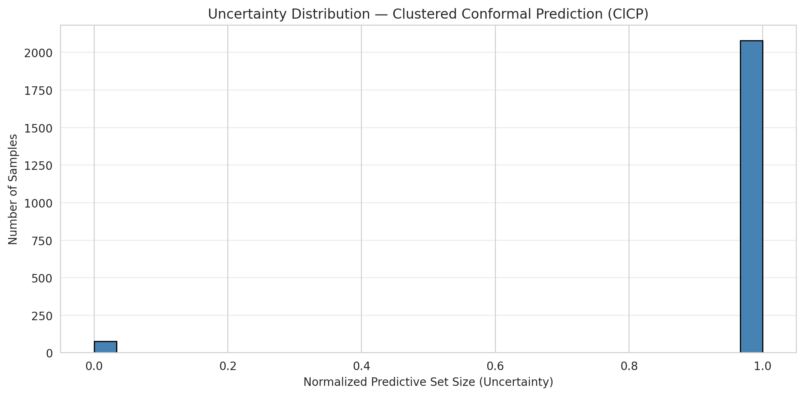
5 | 3
6 | 1

Cluster q_hat
cluster_id | q_hat_cluster
0 | 0.038760422094
1 | 0.053693584385
2 | 0.037217380162
3 | 0.026026417278

Cluster Mean Uncertainty
cluster | uncertainty
0 | 0.94413407821
1 | 0.97674418605
2 | 0.96726677578
3 | 0.9684418146

Class Mean Uncertainty
class_id | uncertainty
0 | 0.9726177437
1 | 0.97142857143 |  |  |  |  |  |  |  | Avg Uncertainty per Cluster
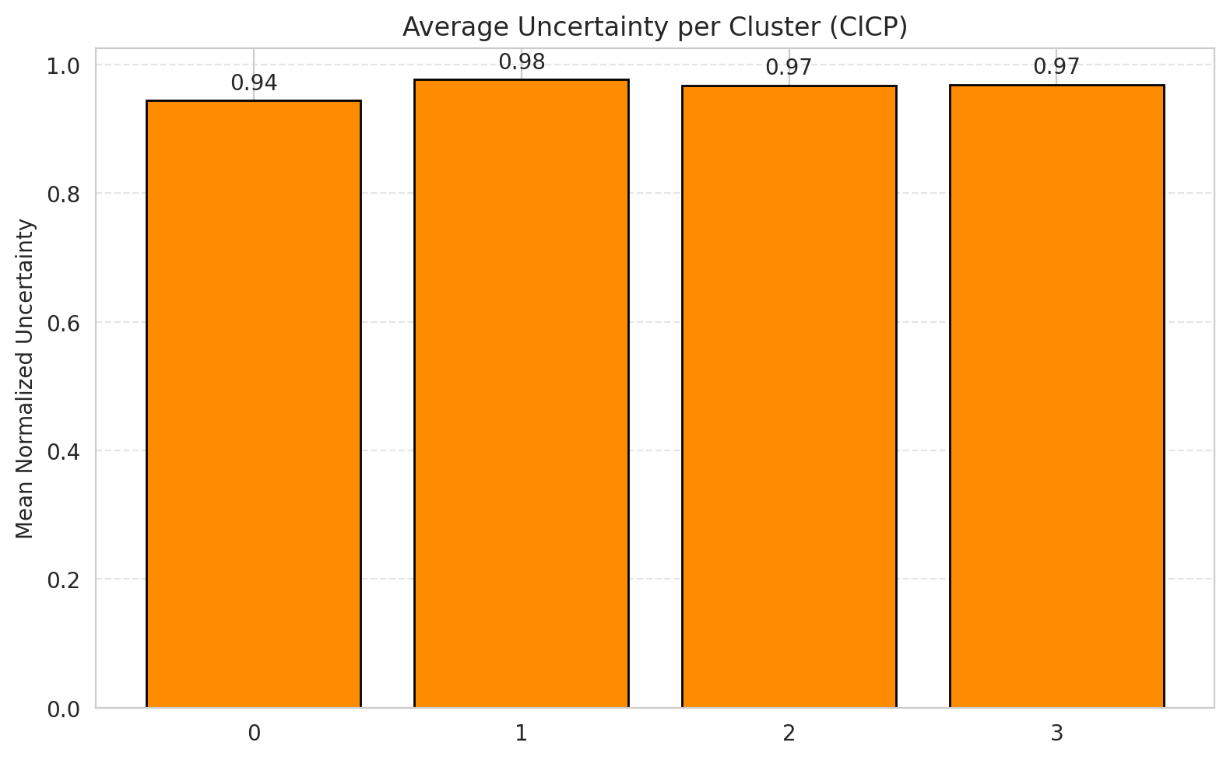
2 | 0.94413407821
3 | 0.95512820513
4 | 0.96153846154
5 | 0.93069306931
6 | 1

 |  |  |  |  |  |  |  |  | Avg Uncertainty per Class

RAPS_MambaBase
RAPS - MambaBase |  |  |  |  |  |  |  |  | Per-Class Coverage
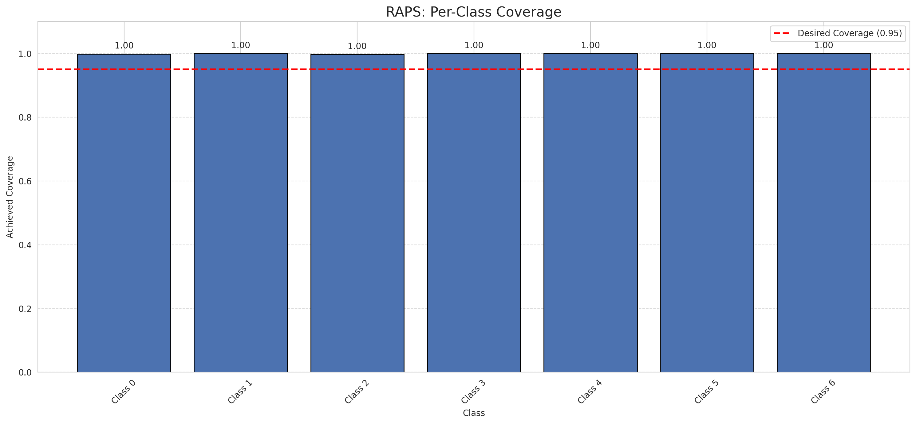
Summary
model_name | method | target_coverage | empirical_coverage | avg_set_size | median_set_size | singleton_rate | empty_set_rate | runtime_sec | alpha | lam | n_clusters | mean_per_class_coverage
MambaBase | RAPS | 0.95 | 0.99907192575 | 1 | 1 | 1 | 0 | 0.58600231 | 0.05 | 0.01 |  | 0.99944465886

Per-Class Coverage Values
class_id | class_coverage | support_count
0 | 0.9989059081 | 914
1 | 1 | 454
2 | 0.99720670391 | 358
3 | 1 | 156
4 | 1 | 104
5 | 1 | 101
6 | 1 | 68

RAPS Parameters
q_hat_raps | lambda | k_reg
0 | 0.01 | 1

Split_MambaLarge
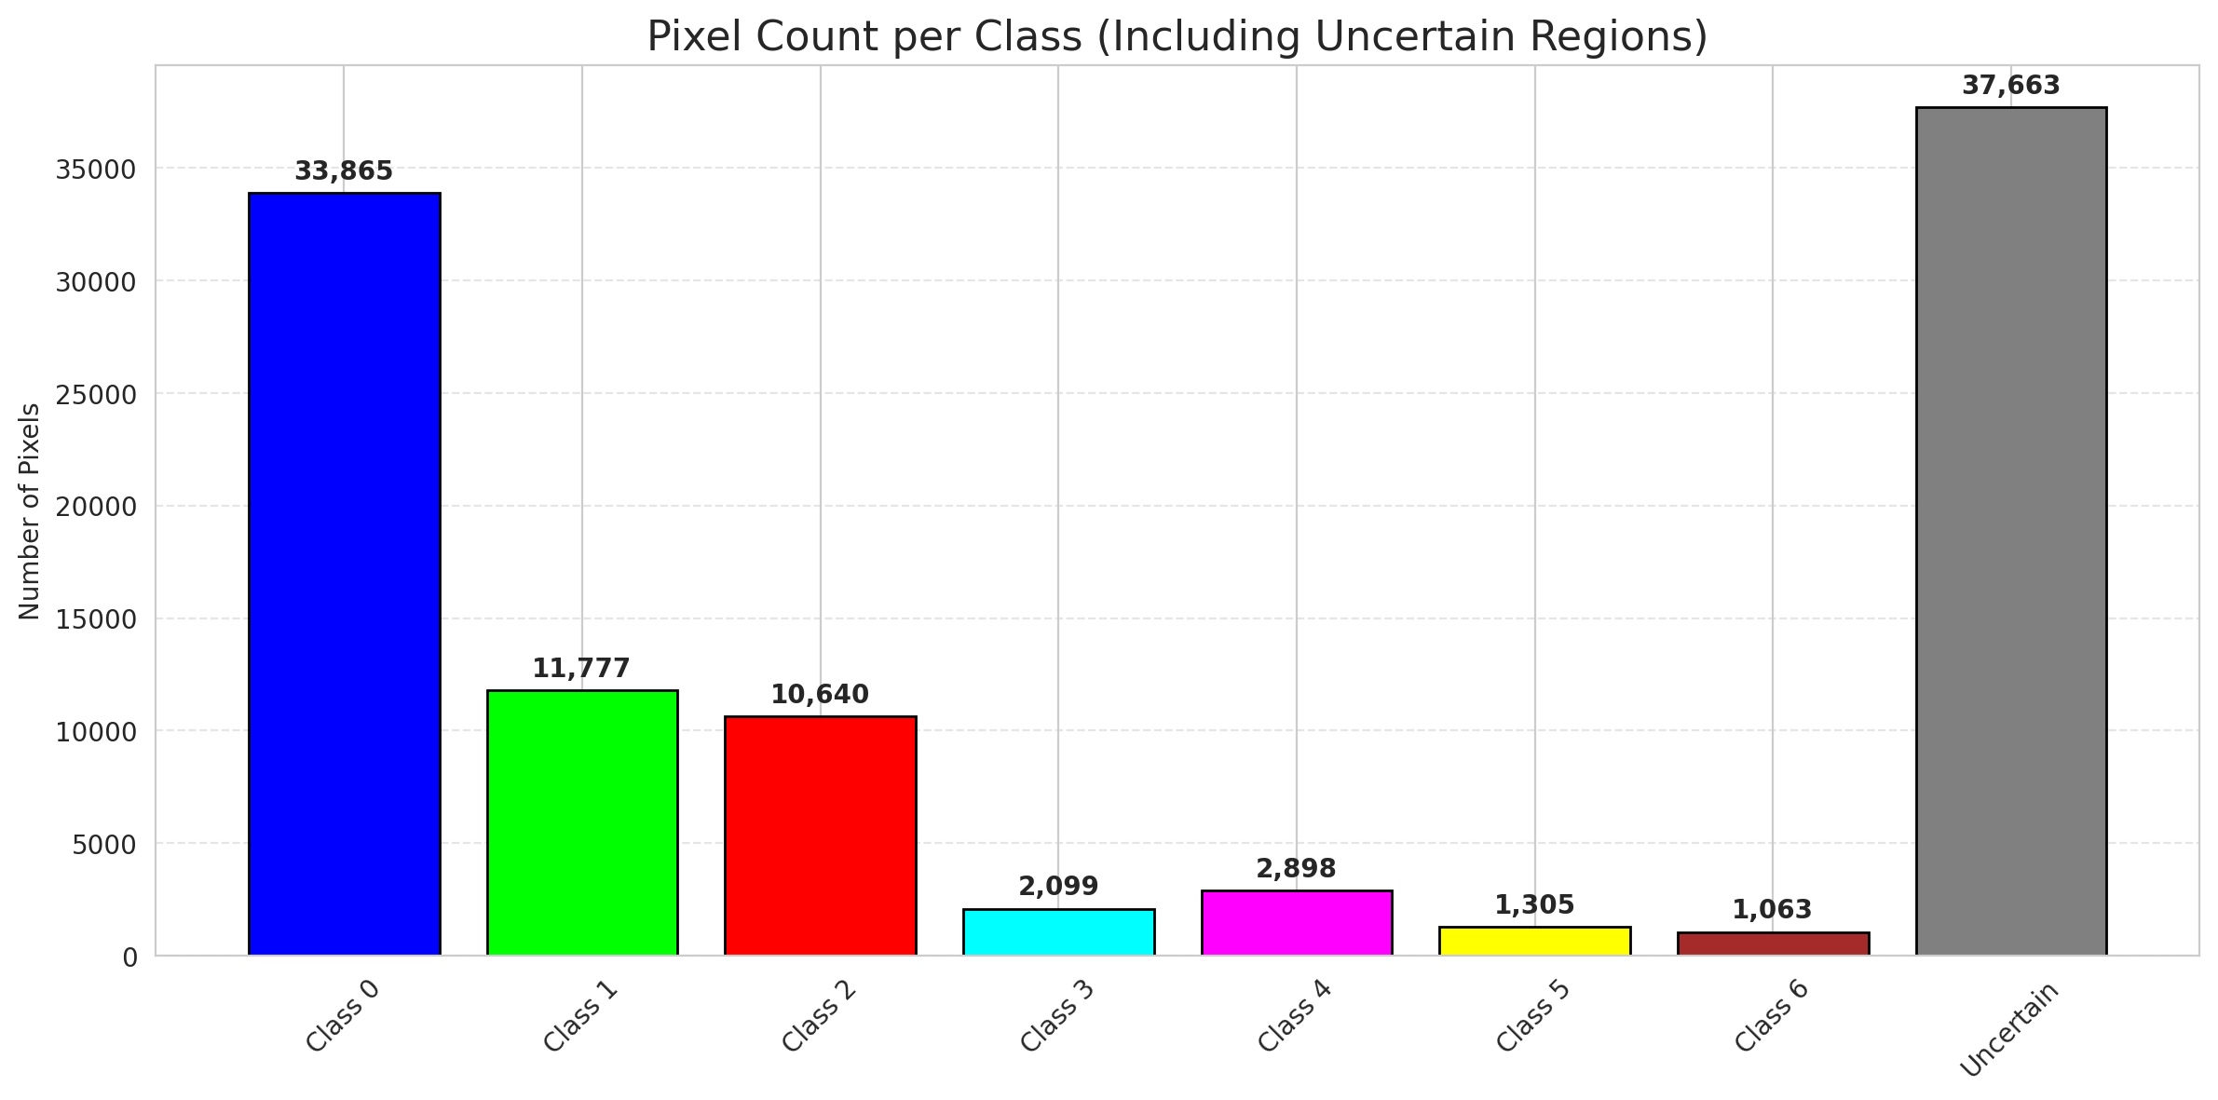
SplitConformal - MambaLarge |  |  |  |  |  |  |  |  | Per-Class Coverage
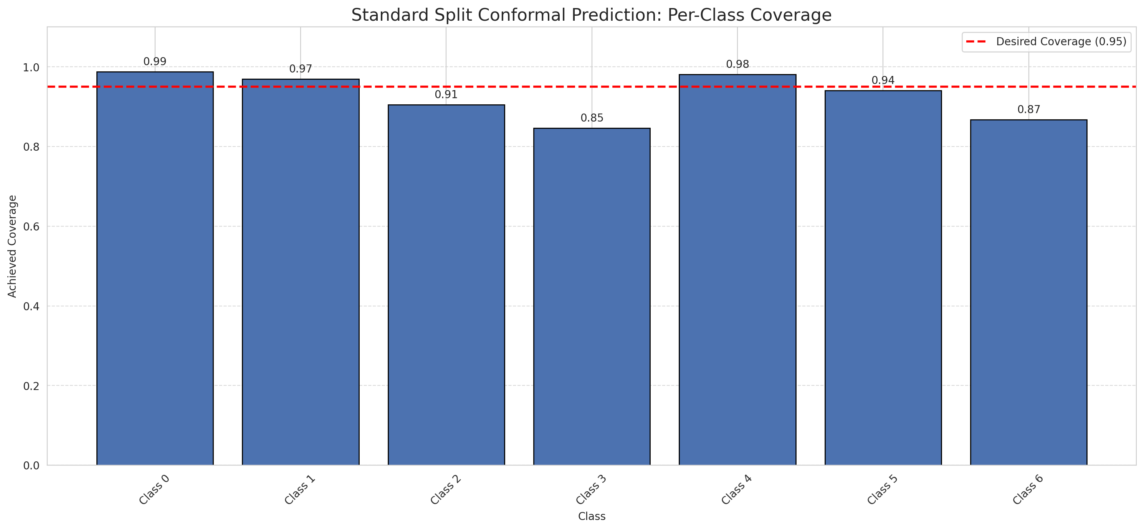
Summary
model_name | method | target_coverage | empirical_coverage | avg_set_size | median_set_size | singleton_rate | empty_set_rate | runtime_sec | alpha | lam | n_clusters | mean_per_class_coverage
MambaLarge | SplitConformal | 0.95 | 0.9535962877 | 0.9535962877 | 1 | 0.9535962877 | 0.046403712297 | 1.943958004 | 0.05 |  |  | 0.92818858754

Per-Class Coverage Values
class_id | class_coverage | support_count
0 | 0.98796498906 | 914
1 | 0.96916299559 | 454
2 | 0.90502793296 | 358
3 | 0.84615384615 | 156
4 | 0.98076923077 | 104
5 | 0.94059405941 | 101
6 | 0.86764705882 | 68

Pixel Counts
class_id | label | pixel_count
0 | Class 0 | 33865
1 | Class 1 | 11777
2 | Class 2 | 10640
3 | Class 3 | 2099
4 | Class 4 | 2898 |  |  |  |  |  |  | Certain vs Uncertain Map
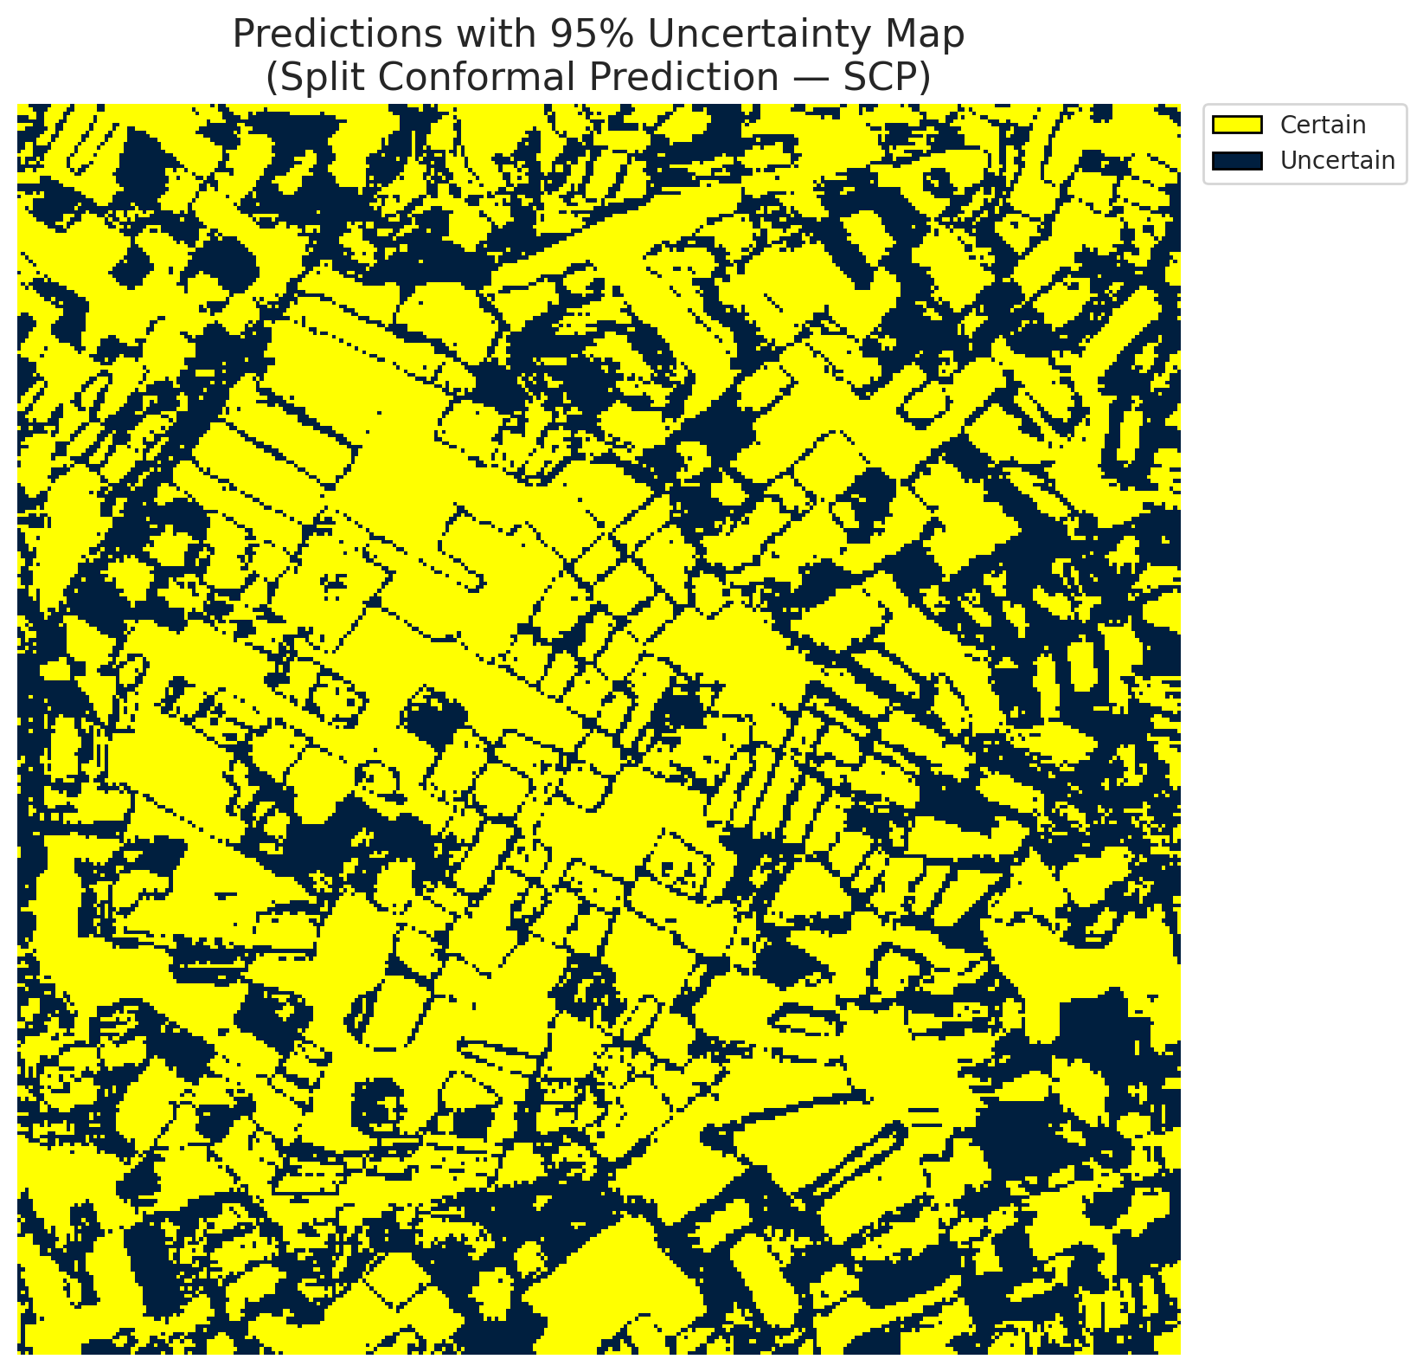
5 | Class 5 | 1305
6 | Class 6 | 1063
7 | Uncertain | 37663

Threshold
q_hat_split
0.028463487607

 |  |  |  |  |  |  |  |  | Class Map with Uncertain Mask


 |  |  |  |  |  |  |  |  | Pixel Counts

ClassCond_MambaLarge
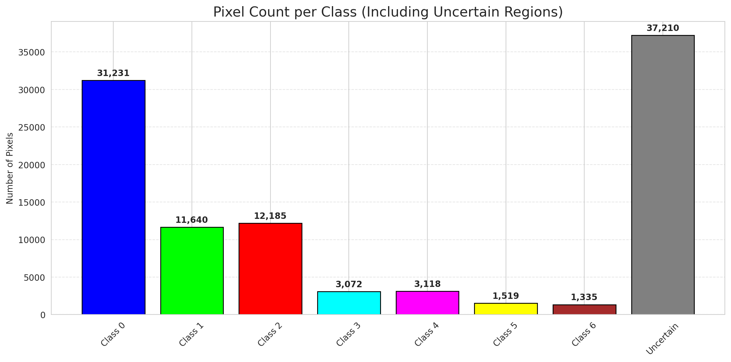
ClassConditionalConformal - MambaLarge |  |  |  |  |  |  |  |  | Per-Class Coverage
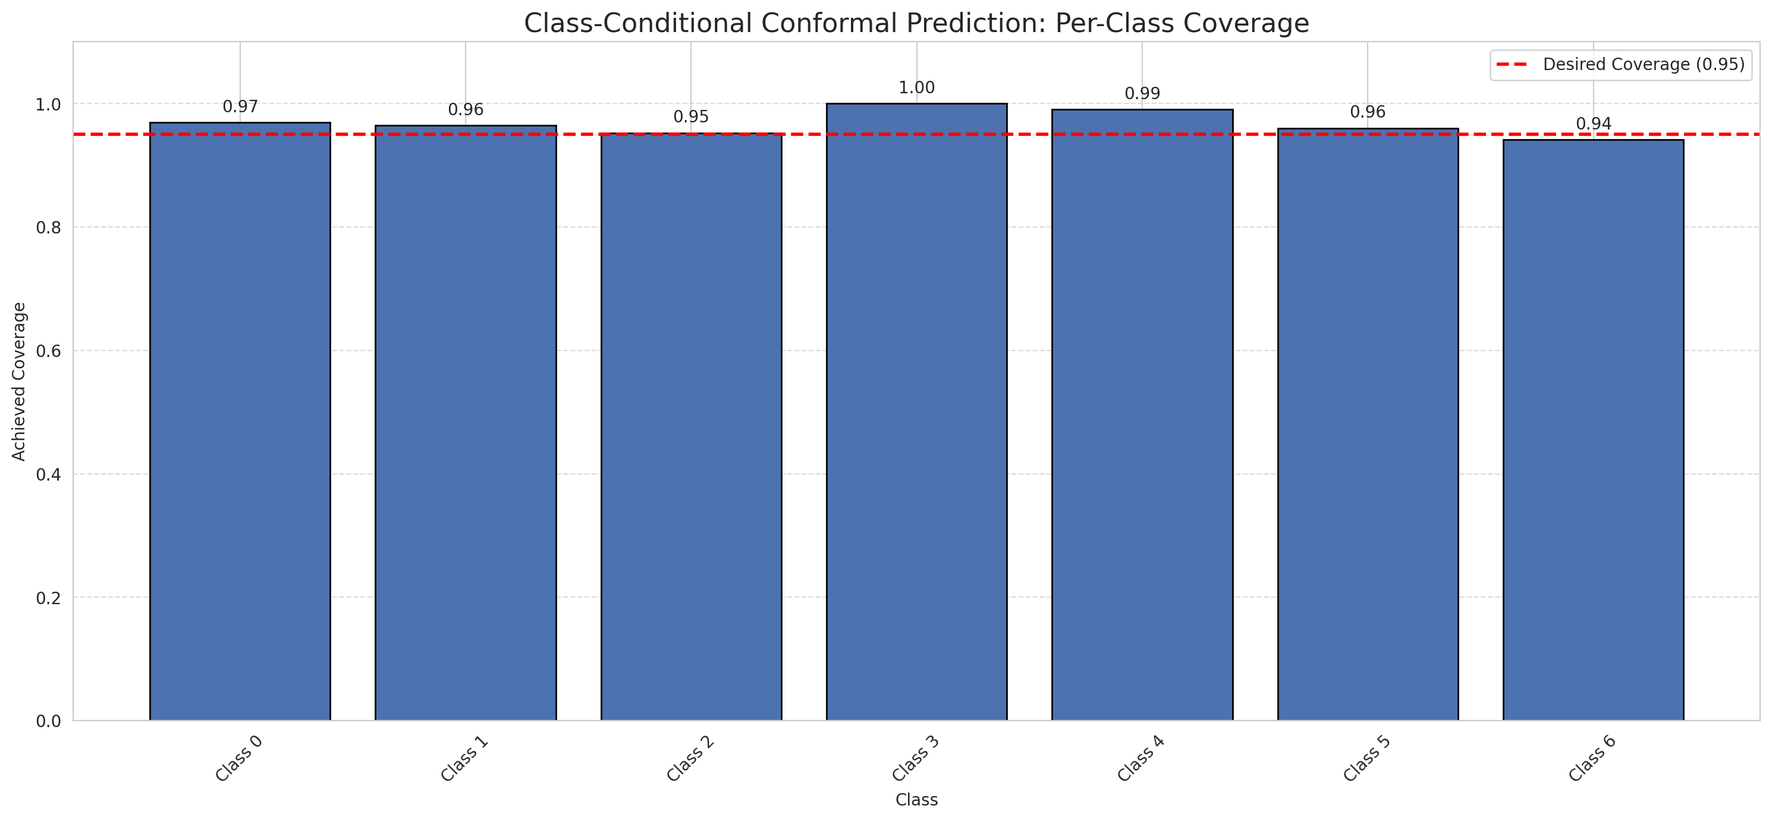
Summary
model_name | method | target_coverage | empirical_coverage | avg_set_size | median_set_size | singleton_rate | empty_set_rate | runtime_sec | alpha | lam | n_clusters | mean_per_class_coverage
MambaLarge | ClassConditionalConformal | 0.95 | 0.96751740139 | 0.96751740139 | 1 | 0.96751740139 | 0.032482598608 | 2.39431054 | 0.05 |  |  | 0.968370604

Per-Class Coverage Values
class_id | class_coverage | support_count
0 | 0.9693654267 | 914
1 | 0.96475770925 | 454
2 | 0.95251396648 | 358
3 | 1 | 156
4 | 0.99038461538 | 104
5 | 0.9603960396 | 101
6 | 0.94117647059 | 68

Pixel Counts
class_id | label | pixel_count
0 | Class 0 | 31231
1 | Class 1 | 11640
2 | Class 2 | 12185
3 | Class 3 | 3072
4 | Class 4 | 3118 |  |  |  |  |  |  | Certain vs Uncertain Map
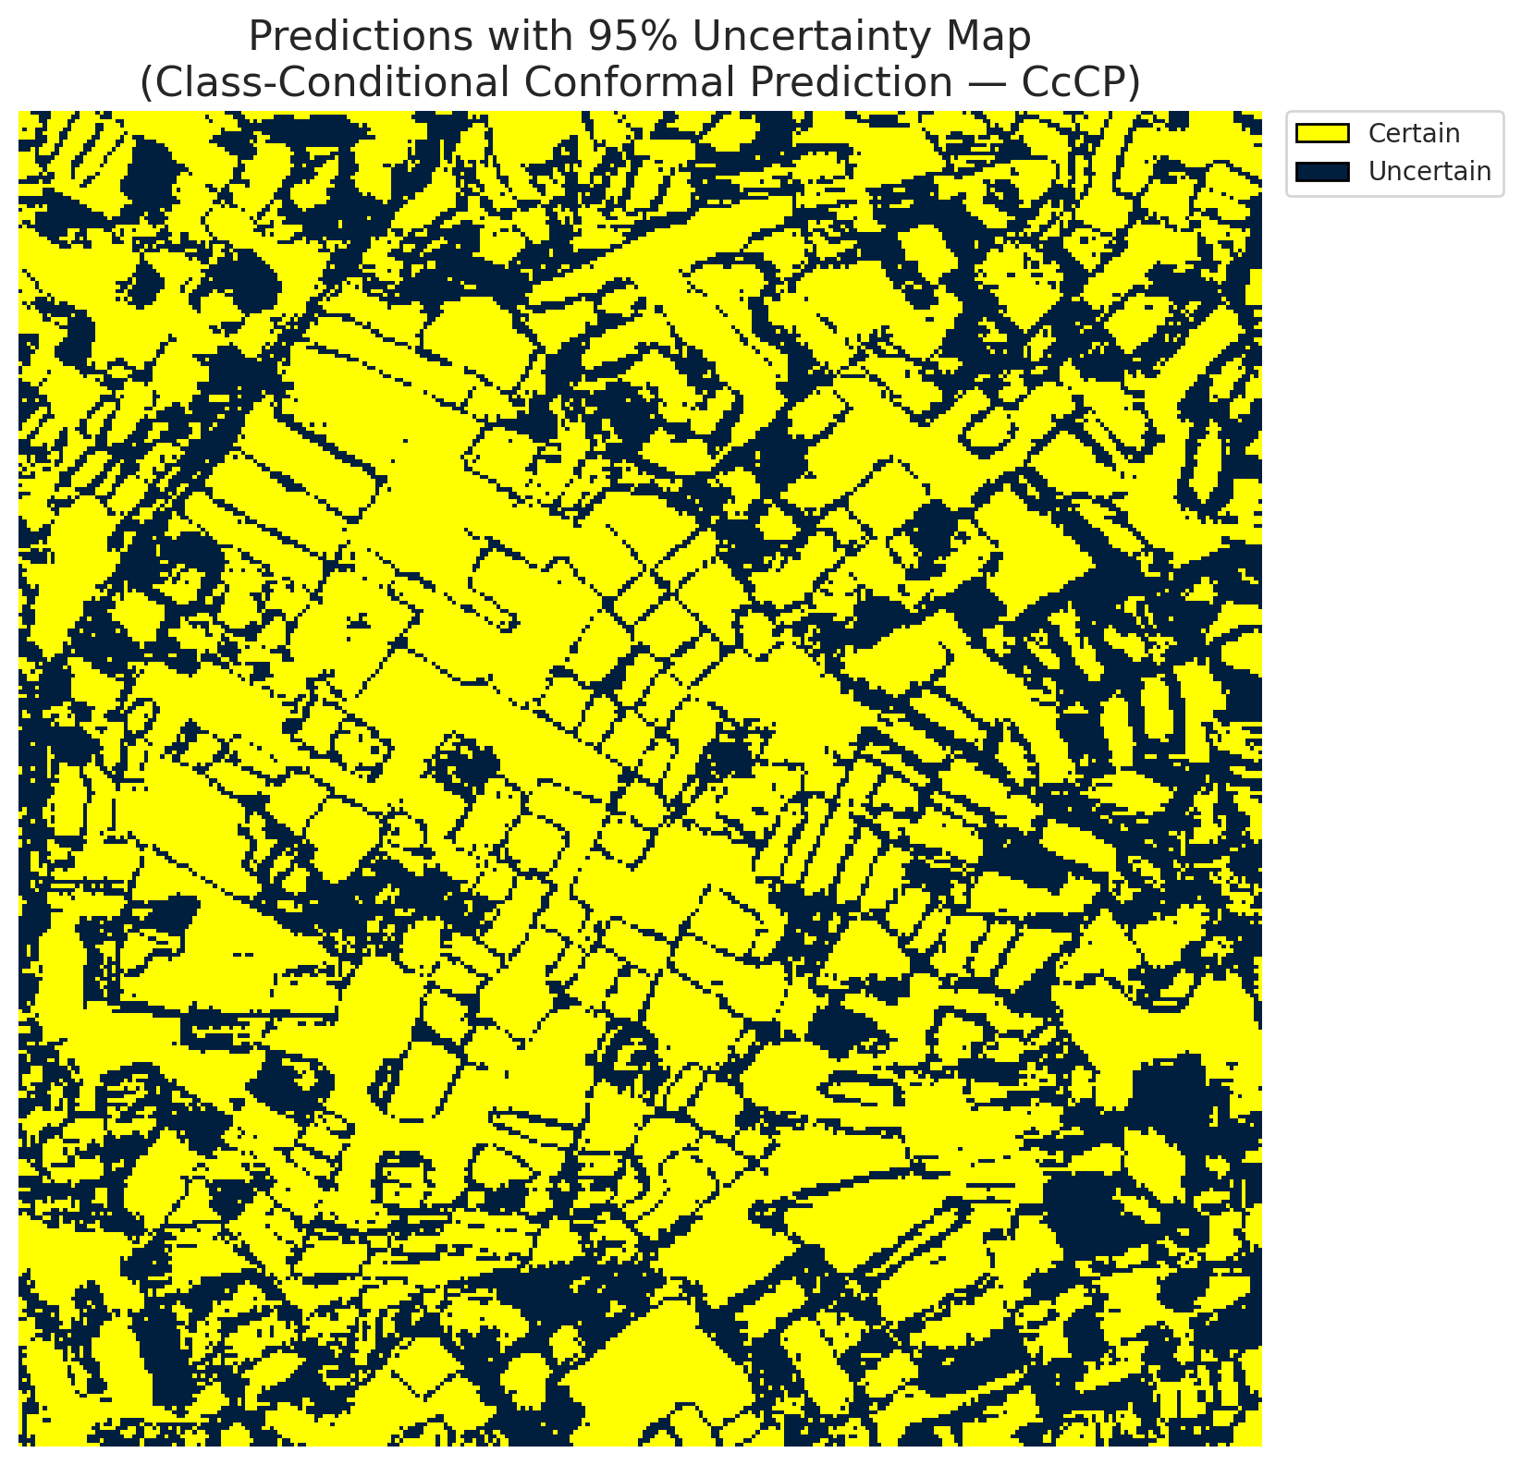
5 | Class 5 | 1519
6 | Class 6 | 1335
7 | Uncertain | 37210

Classwise q_hat
class_id | q_hat_classconditional
0 | 0.02370902934
1 | 0.027956525889
2 | 0.036445574744
3 | 0.08327883338
4 | 0.03498982568
5 | 0.037210691239
6 | 0.049570327647

 |  |  |  |  |  |  |  |  | Class Map with Uncertain Mask


 |  |  |  |  |  |  |  |  | Pixel Counts

RC3P_MambaLarge
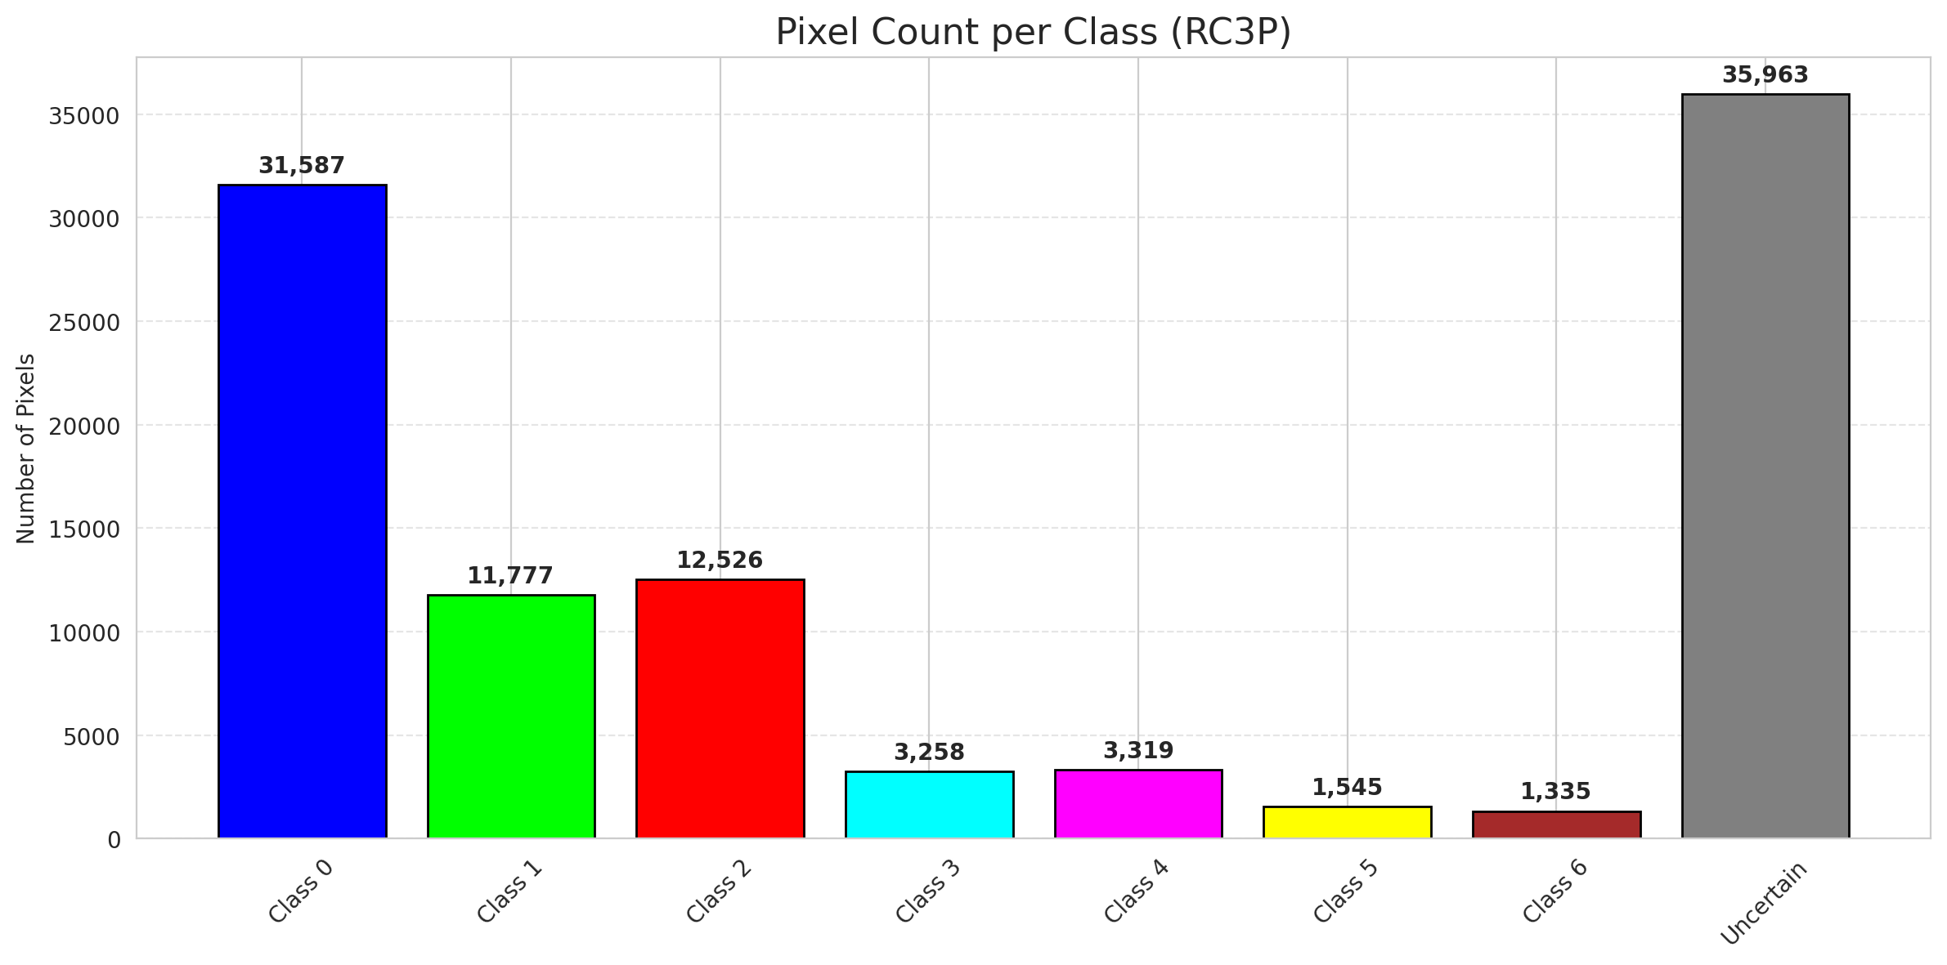
RC3P - MambaLarge |  |  |  |  |  |  |  |  | Per-Class Coverage
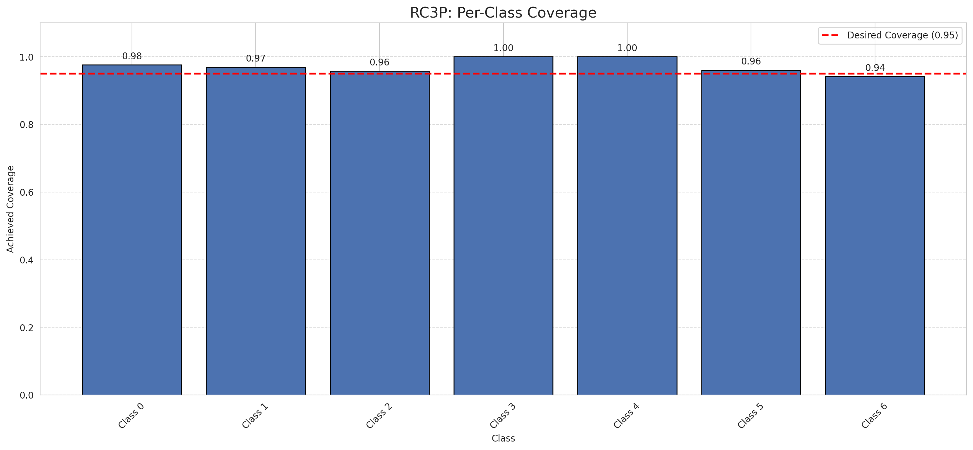
Summary
model_name | method | target_coverage | empirical_coverage | avg_set_size | median_set_size | singleton_rate | empty_set_rate | runtime_sec | alpha | lam | n_clusters | mean_per_class_coverage
MambaLarge | RC3P | 0.95 | 0.97262180974 | 0.97262180974 | 1 | 0.97262180974 | 0.027378190255 | 1.896413686 | 0.05 |  |  | 0.97210943465

Per-Class Coverage Values
class_id | class_coverage | support_count
0 | 0.97592997812 | 914
1 | 0.96916299559 | 454
2 | 0.95810055866 | 358
3 | 1 | 156
4 | 1 | 104
5 | 0.9603960396 | 101
6 | 0.94117647059 | 68

Pixel Counts
class_id | label | pixel_count
0 | Class 0 | 31587
1 | Class 1 | 11777
2 | Class 2 | 12526
3 | Class 3 | 3258
4 | Class 4 | 3319 |  |  |  |  |  |  | Certain vs Uncertain Map
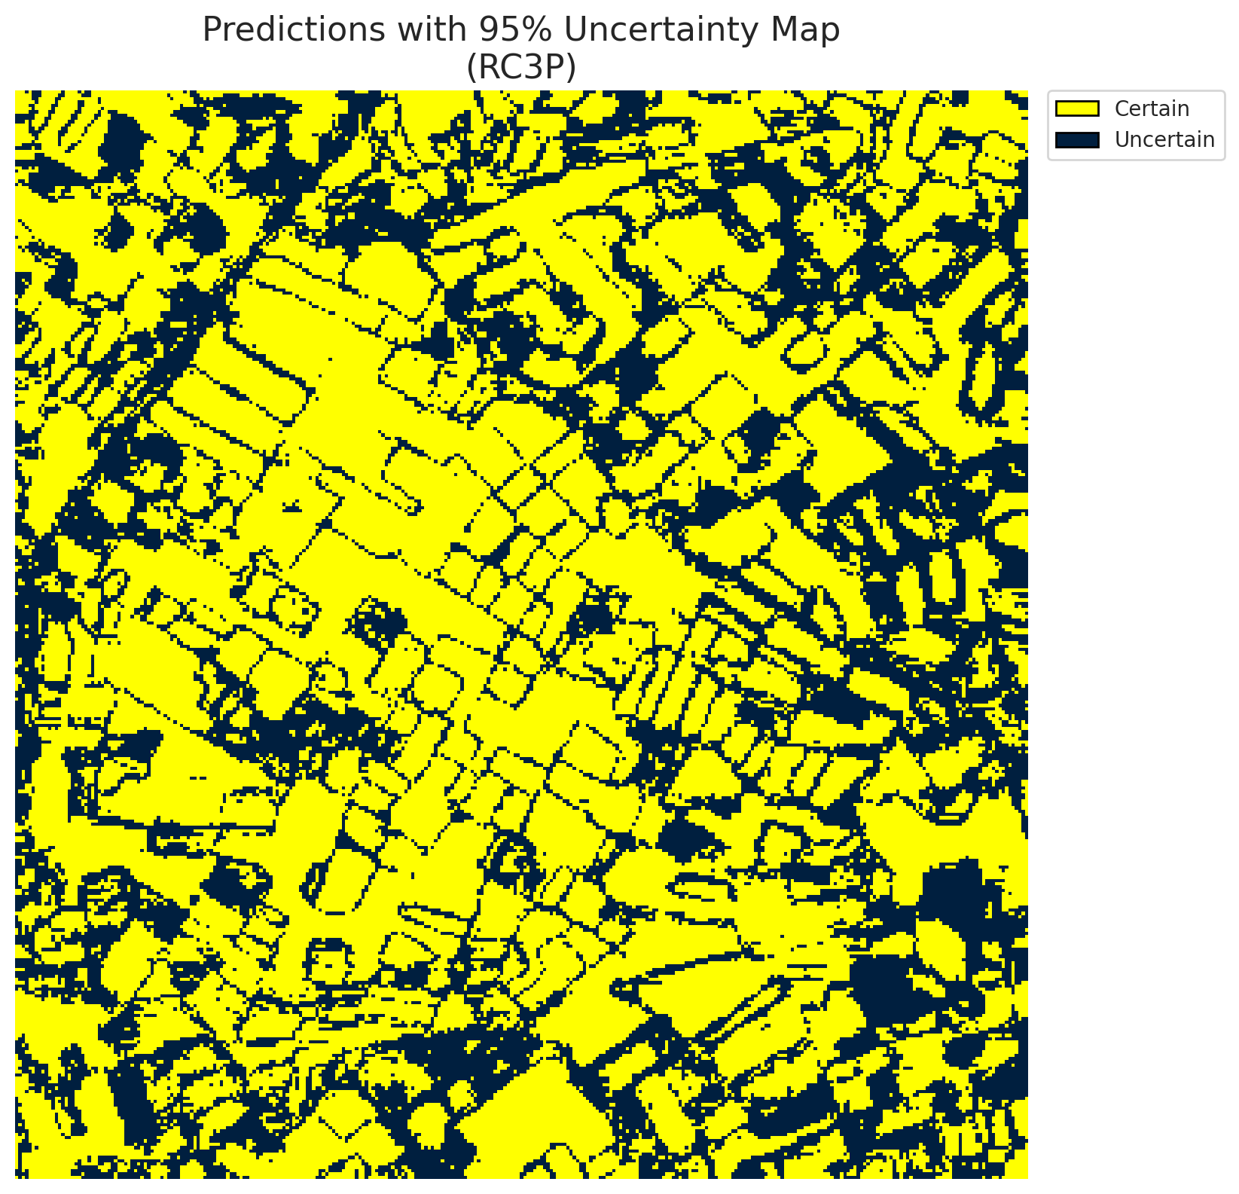
5 | Class 5 | 1545
6 | Class 6 | 1335
7 | Uncertain | 35963

RC3P Thresholds & Limits
class_id | q_hat_rc3p | suit_index_limit
0 | 0.024110318139 | 1
1 | 0.028463487607 | 1
2 | 0.03911547361 | 1
3 | 0.10323568045 | 1
4 | 0.045978808995 | 1
5 | 0.038291175549 | 1
6 | 0.049570327647 | 1

 |  |  |  |  |  |  |  |  | Class Map with Uncertain Mask
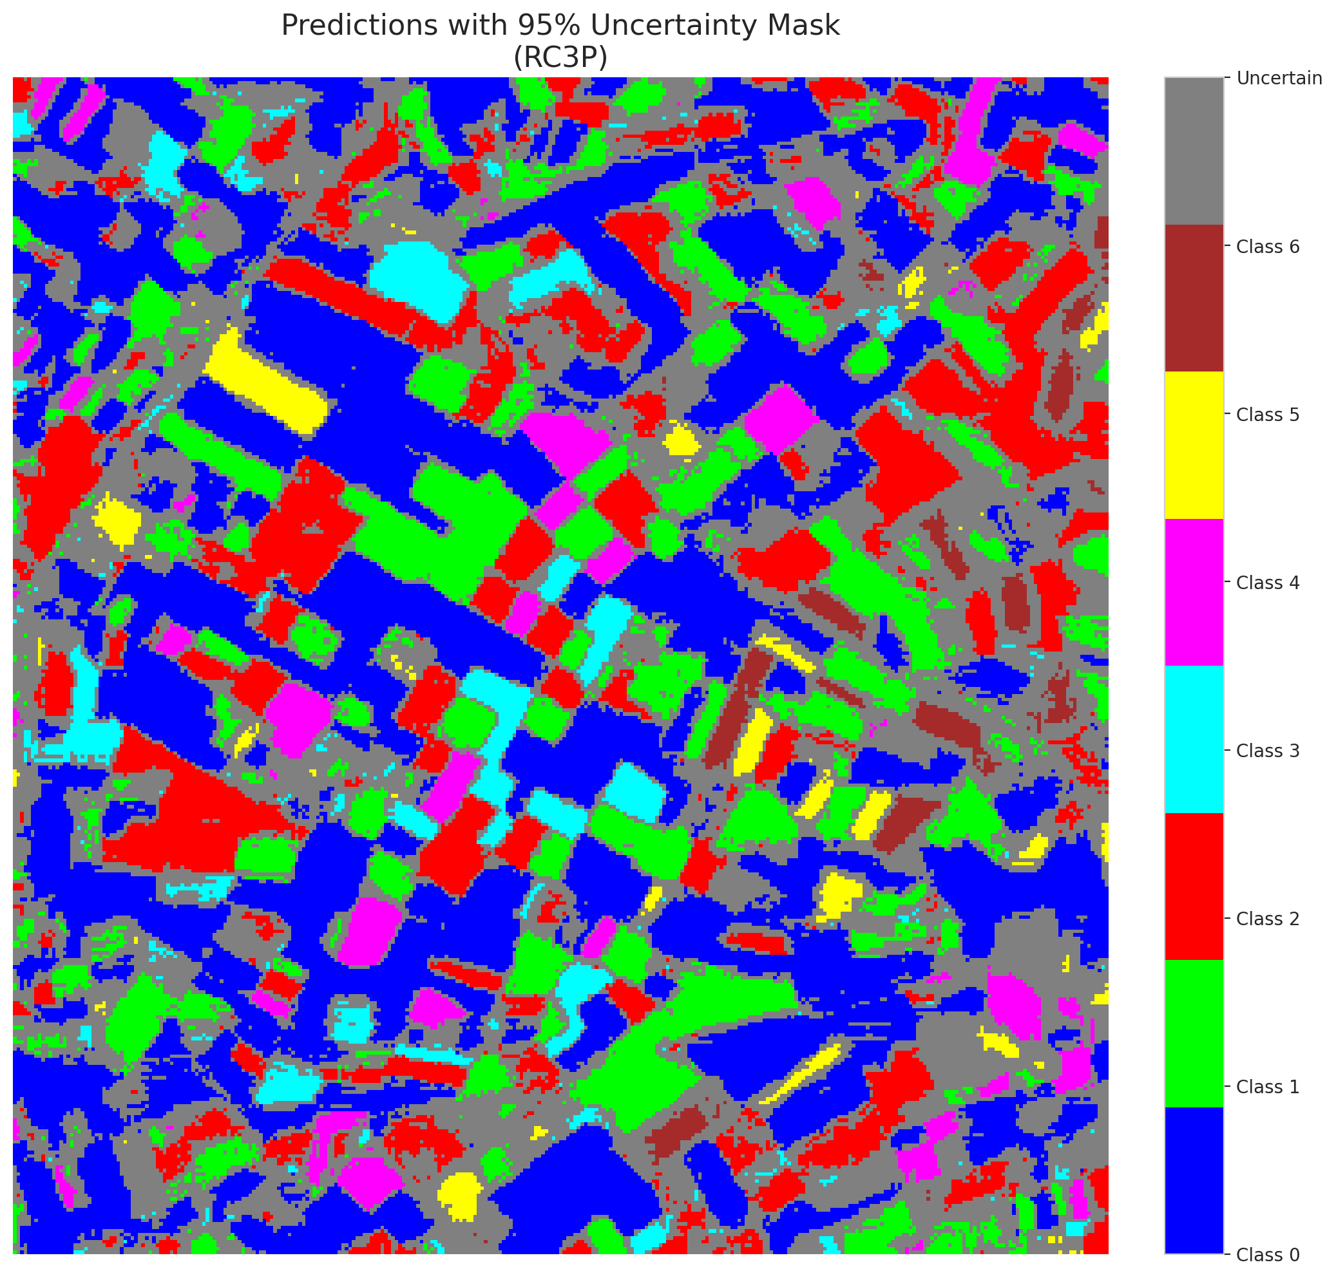

 |  |  |  |  |  |  |  |  | Pixel Counts

Clustered_MambaLarge
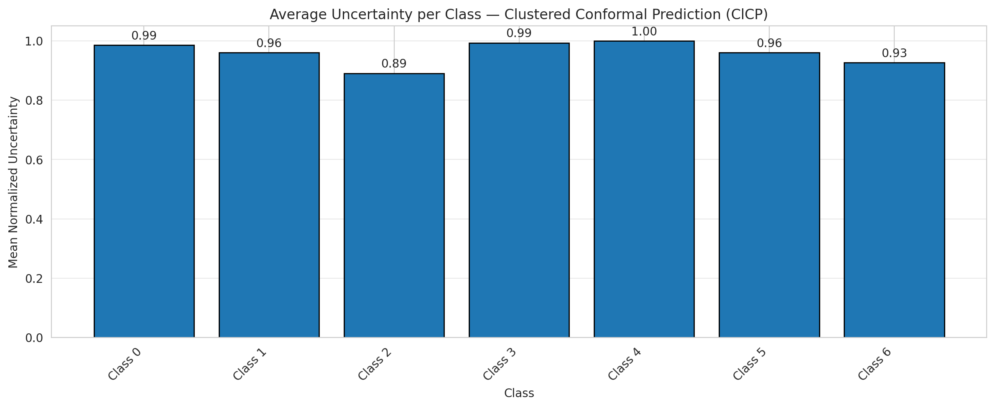
ClusteredConformal - MambaLarge |  |  |  |  |  |  |  |  | Per-Class Coverage
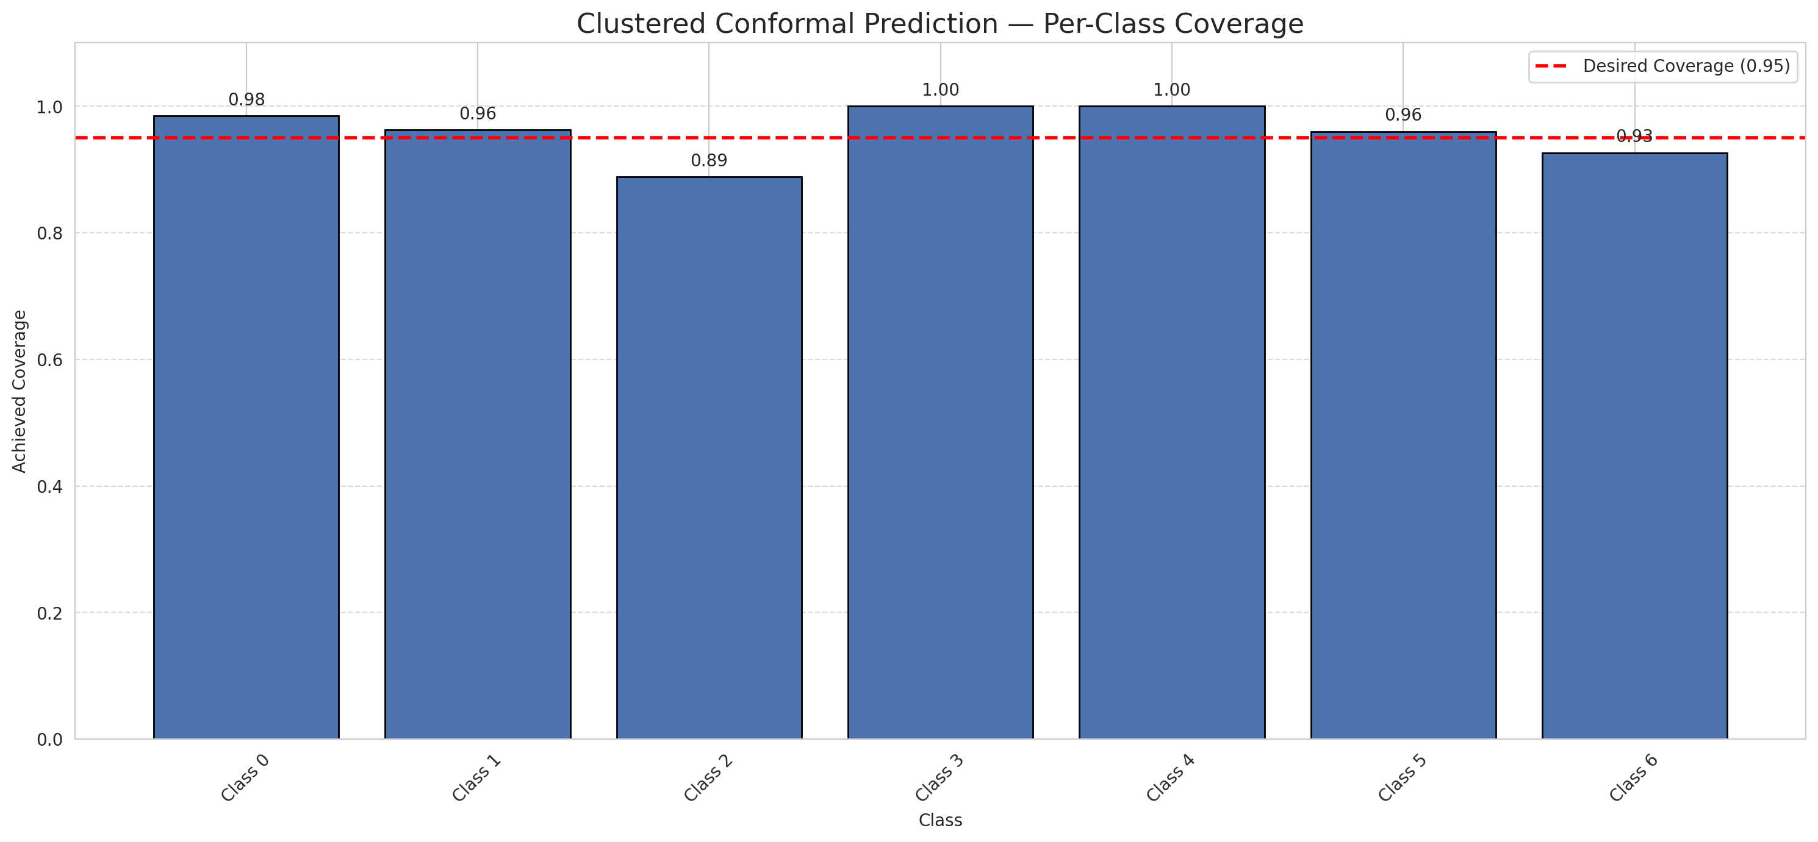
Summary
model_name | method | target_coverage | empirical_coverage | avg_set_size | median_set_size | singleton_rate | empty_set_rate | runtime_sec | alpha | lam | n_clusters | mean_per_class_coverage
MambaLarge | ClusteredConformal | 0.95 | 0.96287703016 | 0.96287703016 | 1 | 0.96287703016 | 0.037122969838 | 7.717177898 | 0.05 |  | 4 | 0.96033893767

Per-Class Coverage Values
class_id | class_coverage | support_count
0 | 0.98468271335 | 914
1 | 0.96255506608 | 454
2 | 0.88826815642 | 358
3 | 1 | 156
4 | 1 | 104
5 | 0.9603960396 | 101
6 | 0.92647058824 | 68

Class-to-Cluster Assignment
class_id | cluster_id
0 | 1
1 | 1
2 | 1
3 | 3
4 | 0 |  |  |  |  |  |  |  | Uncertainty Distribution

5 | 2
6 | 0

Cluster q_hat
cluster_id | q_hat_cluster
0 | 0.044477738099
1 | 0.027192983579
2 | 0.037210691239
3 | 0.08327883338

Cluster Mean Uncertainty
cluster | uncertainty
0 | 0.97093023256
1 | 0.95942028986
2 | 0.9603960396
3 | 0.99363057325

Class Mean Uncertainty
class_id | uncertainty
0 | 0.98576122673
1 | 0.96043956044 |  |  |  |  |  |  |  | Avg Uncertainty per Cluster
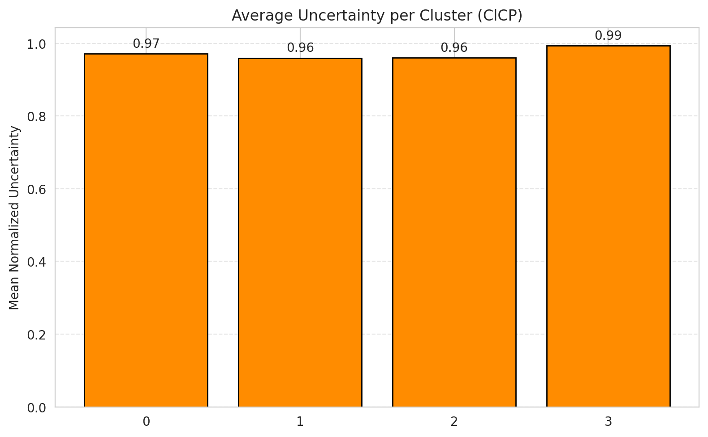
2 | 0.89075630252
3 | 0.99363057325
4 | 1
5 | 0.9603960396
6 | 0.92647058824

 |  |  |  |  |  |  |  |  | Avg Uncertainty per Class

RAPS_MambaLarge
RAPS - MambaLarge |  |  |  |  |  |  |  |  | Per-Class Coverage
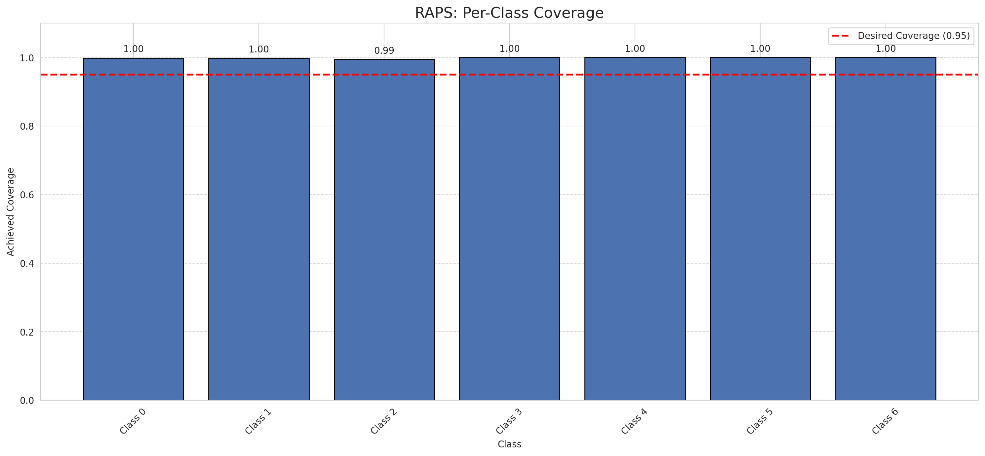
Summary
model_name | method | target_coverage | empirical_coverage | avg_set_size | median_set_size | singleton_rate | empty_set_rate | runtime_sec | alpha | lam | n_clusters | mean_per_class_coverage
MambaLarge | RAPS | 0.95 | 0.99814385151 | 1 | 1 | 1 | 0 | 0.37517336 | 0.05 | 0.01 |  | 0.99873095325

Per-Class Coverage Values
class_id | class_coverage | support_count
0 | 0.9989059081 | 914
1 | 0.99779735683 | 454
2 | 0.99441340782 | 358
3 | 1 | 156
4 | 1 | 104
5 | 1 | 101
6 | 1 | 68

RAPS Parameters
q_hat_raps | lambda | k_reg
0 | 0.01 | 1

Compare_Clustered
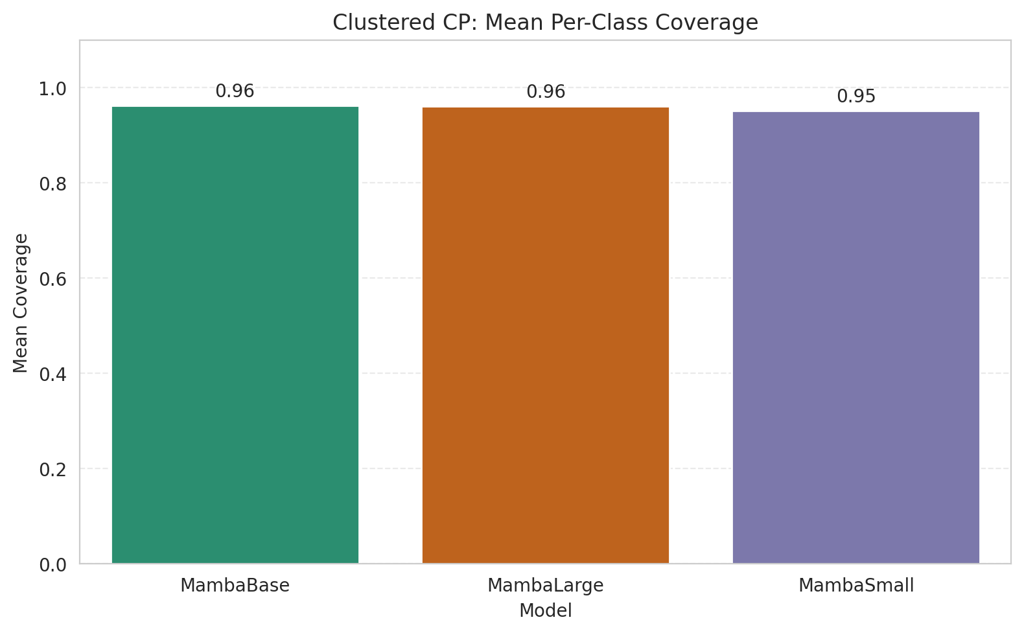
Clustered CP: 3-Model Comparison

model_name | method | target_coverage | empirical_coverage | avg_set_size | median_set_size | singleton_rate | empty_set_rate | model_name | mean_per_class_coverage | lam | n_clusters | mean_per_class_coverage
MambaBase | ClusteredConformal | 0.95 | 0.96473317865 | 0.96473317865 | 1 | 0.96473317865 | 0.035266821346 | MambaBase | 0.96237367238 |  | 4 | 0.96237367238
MambaLarge | ClusteredConformal | 0.95 | 0.96287703016 | 0.96287703016 | 1 | 0.96287703016 | 0.037122969838 | MambaLarge | 0.96033893767 |  | 4 | 0.96033893767
MambaSmall | ClusteredConformal | 0.95 | 0.95870069606 | 0.95870069606 | 1 | 0.95870069606 | 0.041299303944 | MambaSmall | 0.95106188294 |  | 4 | 0.95106188294

Grouped Metrics Comparison

Mean Per-Class Coverage Comparison

Compare_RAPS
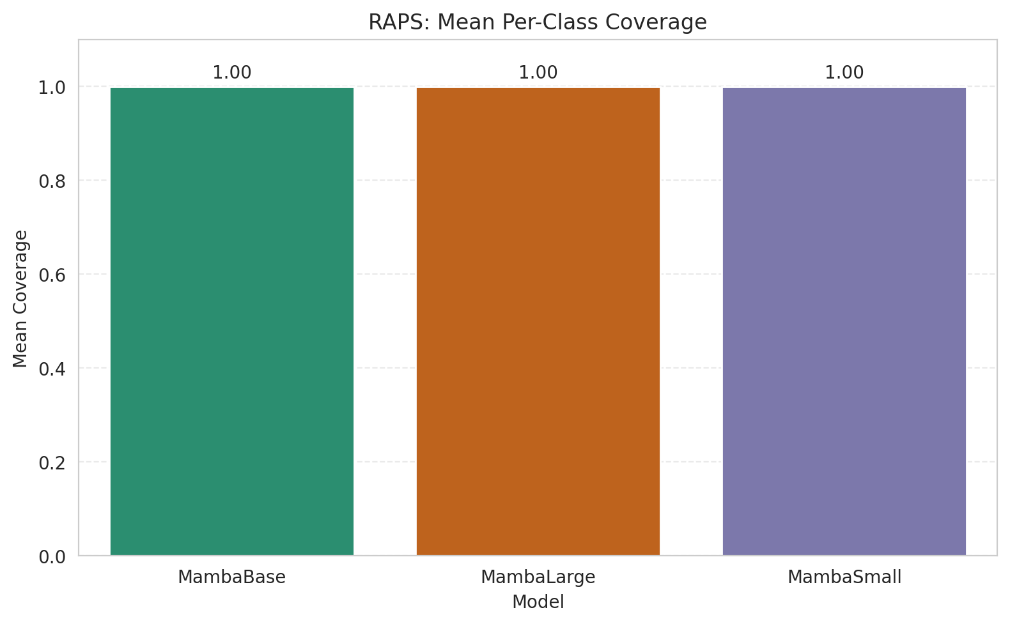
RAPS: 3-Model Comparison

model_name | method | target_coverage | empirical_coverage | avg_set_size | median_set_size | singleton_rate | empty_set_rate | model_name | mean_per_class_coverage | lam | n_clusters | mean_per_class_coverage
MambaBase | RAPS | 0.95 | 0.99907192575 | 1 | 1 | 1 | 0 | MambaBase | 0.99944465886 | 0.01 |  | 0.99944465886
MambaLarge | RAPS | 0.95 | 0.99814385151 | 1 | 1 | 1 | 0 | MambaLarge | 0.99873095325 | 0.01 |  | 0.99873095325
MambaSmall | RAPS | 0.95 | 0.99767981439 | 1 | 1 | 1 | 0 | MambaSmall | 0.99833191095 | 0.01 |  | 0.99833191095

Grouped Metrics Comparison

Mean Per-Class Coverage Comparison

