Split_GeoRSCLIP_TextHead
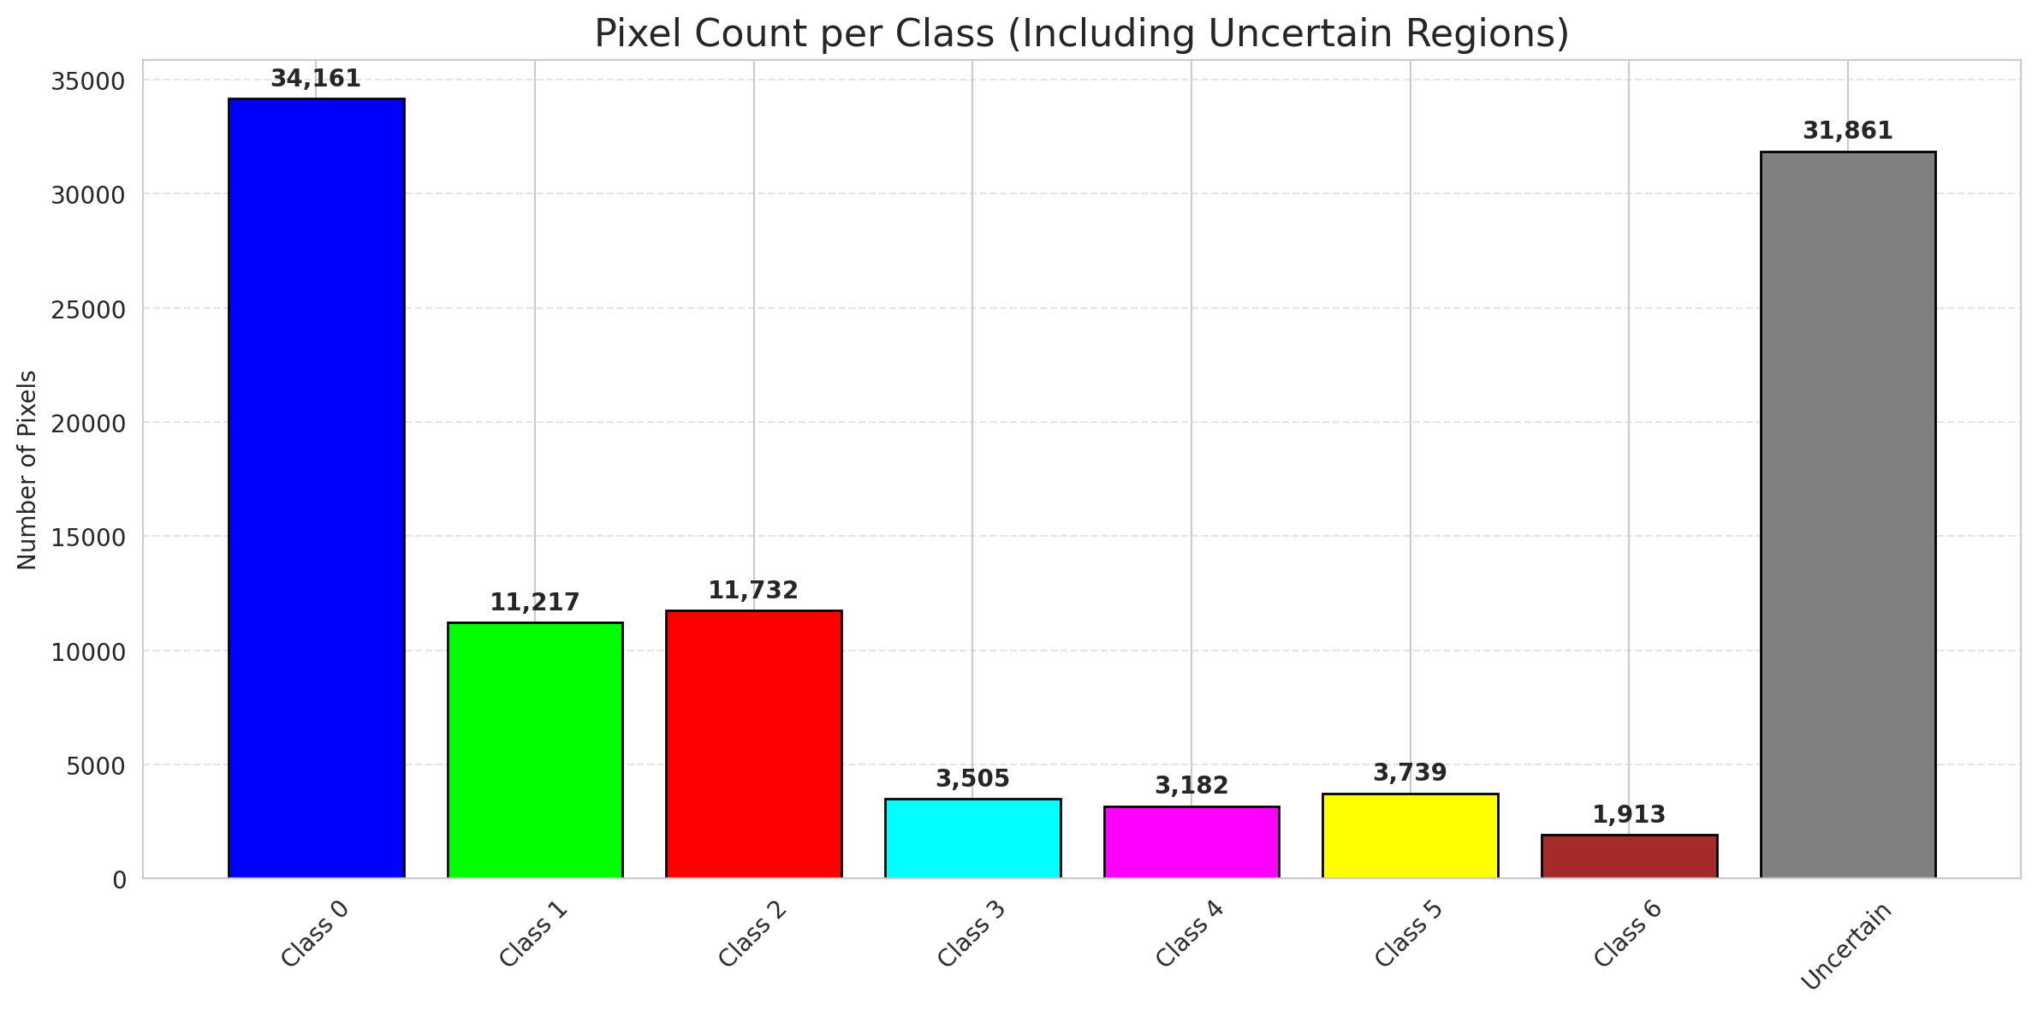
SplitConformal - GeoRSCLIP_TextHead |  |  |  |  |  |  |  |  | Per-Class Coverage
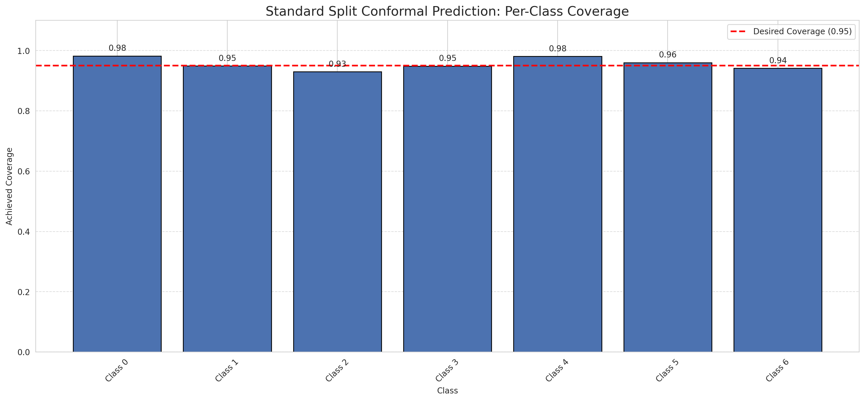
Summary
model_name | method | target_coverage | empirical_coverage | avg_set_size | median_set_size | singleton_rate | empty_set_rate | runtime_sec | alpha | lam | n_clusters | mean_per_class_coverage
GeoRSCLIP_TextHead | SplitConformal | 0.95 | 0.96194895592 | 0.96194895592 | 1 | 0.96194895592 | 0.038051044084 | 2.054084758 | 0.05 |  |  | 0.95615157486

Per-Class Coverage Values
class_id | class_coverage | support_count
0 | 0.98249452954 | 914
1 | 0.94933920705 | 454
2 | 0.93016759777 | 358
3 | 0.94871794872 | 156
4 | 0.98076923077 | 104
5 | 0.9603960396 | 101
6 | 0.94117647059 | 68

Pixel Counts
class_id | label | pixel_count
0 | Class 0 | 34161
1 | Class 1 | 11217
2 | Class 2 | 11732
3 | Class 3 | 3505
4 | Class 4 | 3182 |  |  |  |  |  |  | Certain vs Uncertain Map
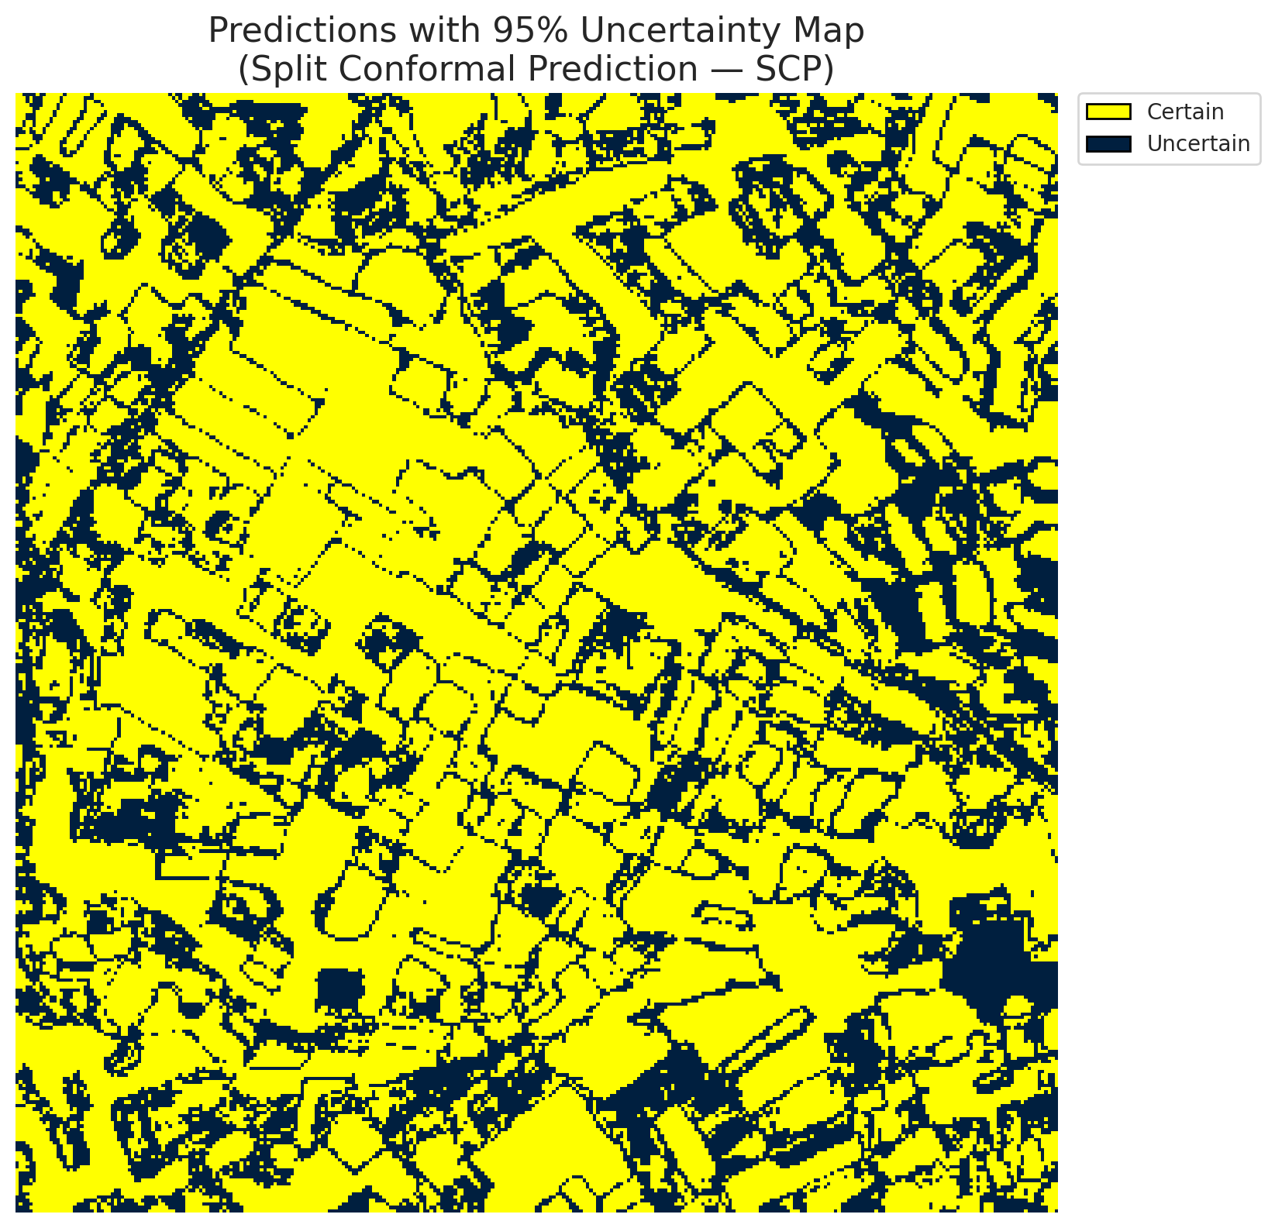
5 | Class 5 | 3739
6 | Class 6 | 1913
7 | Uncertain | 31861

Threshold
q_hat_split
0.036552360109

 |  |  |  |  |  |  |  |  | Class Map with Uncertain Mask
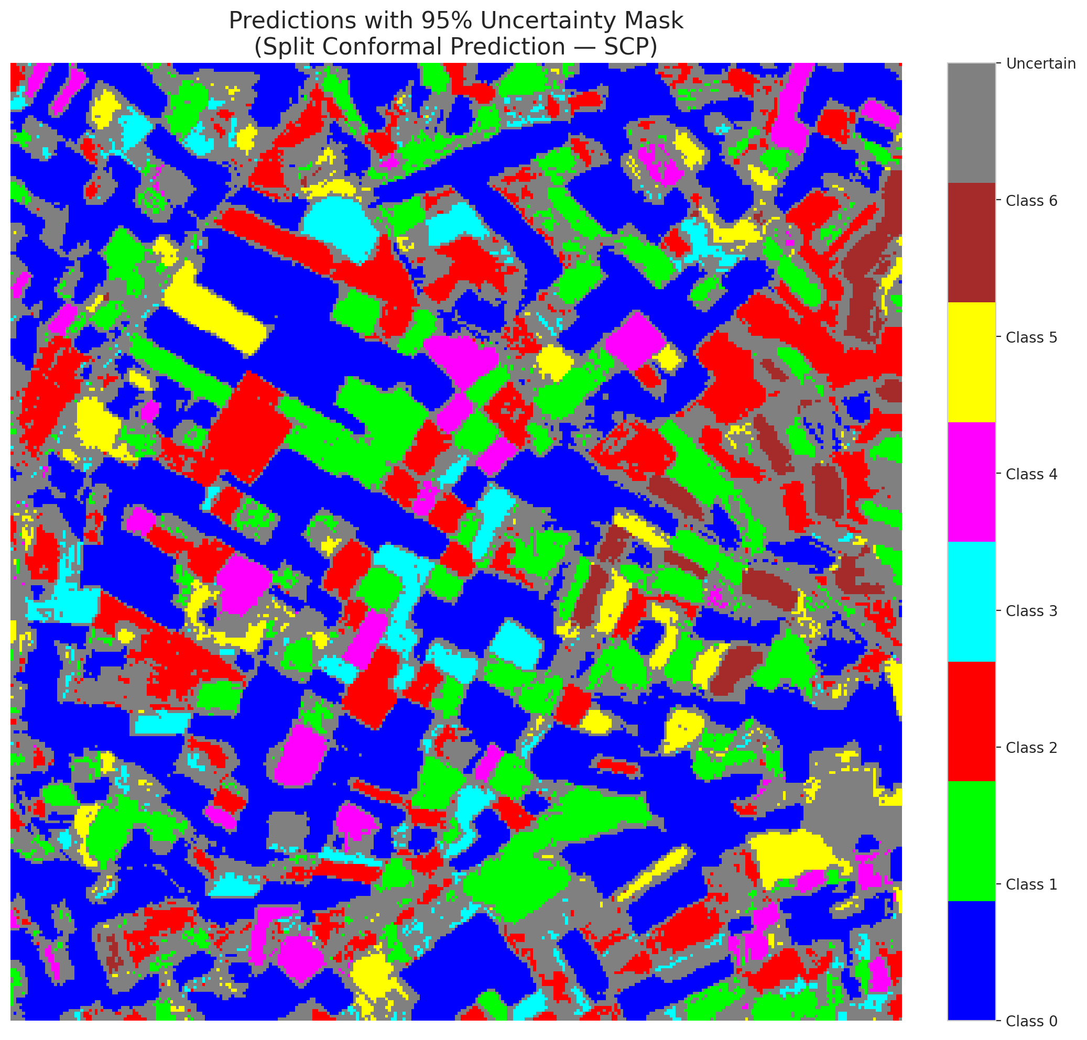

 |  |  |  |  |  |  |  |  | Pixel Counts

ClassCond_GeoRSCLIP_TextHead
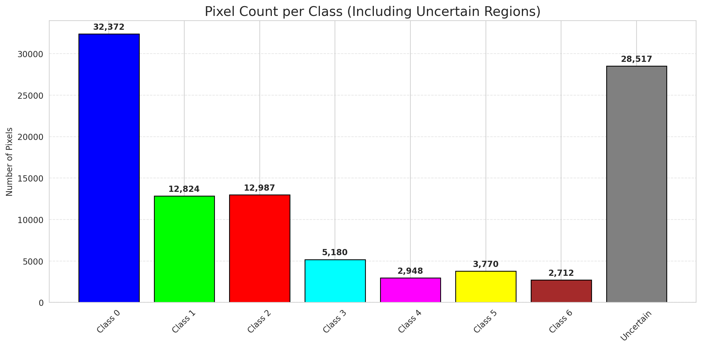
ClassConditionalConformal - GeoRSCLIP_TextHead |  |  |  |  |  |  |  |  | Per-Class Coverage
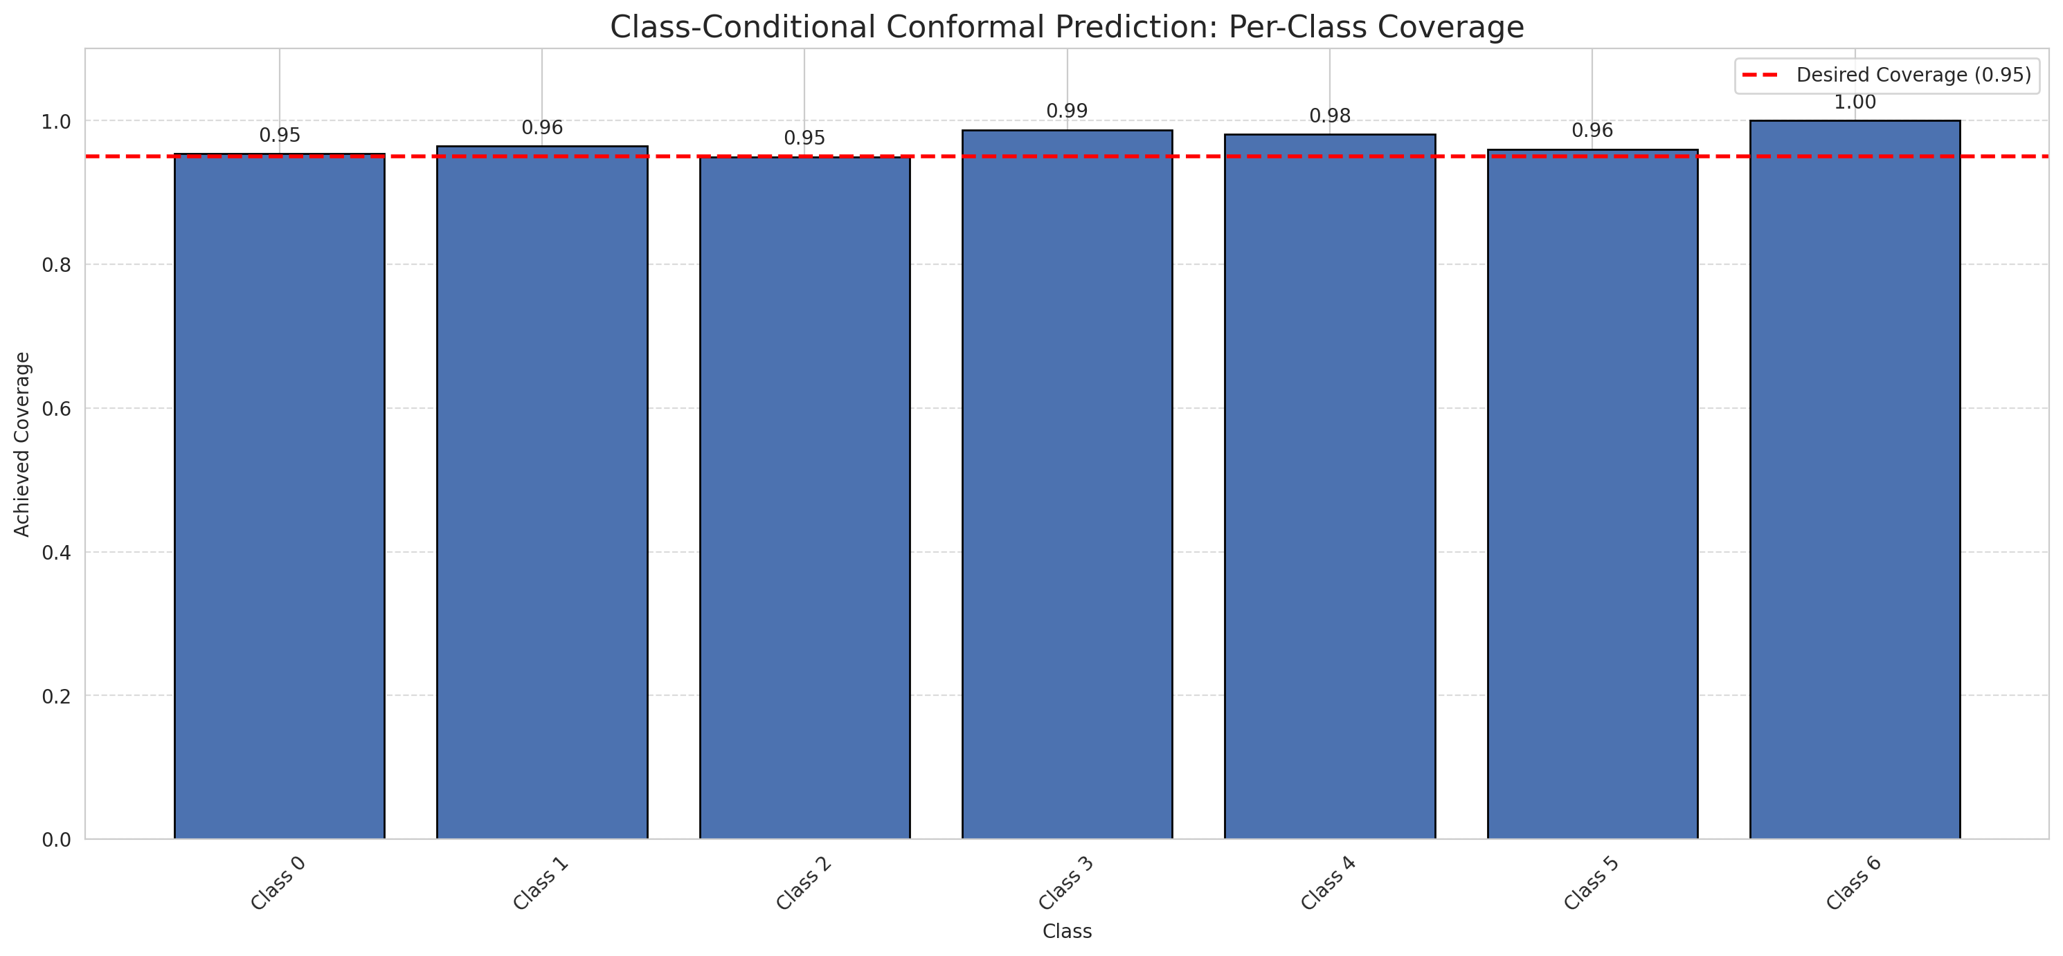
Summary
model_name | method | target_coverage | empirical_coverage | avg_set_size | median_set_size | singleton_rate | empty_set_rate | runtime_sec | alpha | lam | n_clusters | mean_per_class_coverage
GeoRSCLIP_TextHead | ClassConditionalConformal | 0.95 | 0.96102088167 | 0.96102088167 | 1 | 0.96102088167 | 0.038979118329 | 2.478602593 | 0.05 |  |  | 0.97098161103

Per-Class Coverage Values
class_id | class_coverage | support_count
0 | 0.95404814004 | 914
1 | 0.96475770925 | 454
2 | 0.94972067039 | 358
3 | 0.98717948718 | 156
4 | 0.98076923077 | 104
5 | 0.9603960396 | 101
6 | 1 | 68

Pixel Counts
class_id | label | pixel_count
0 | Class 0 | 32372
1 | Class 1 | 12824
2 | Class 2 | 12987
3 | Class 3 | 5180
4 | Class 4 | 2948 |  |  |  |  |  |  | Certain vs Uncertain Map
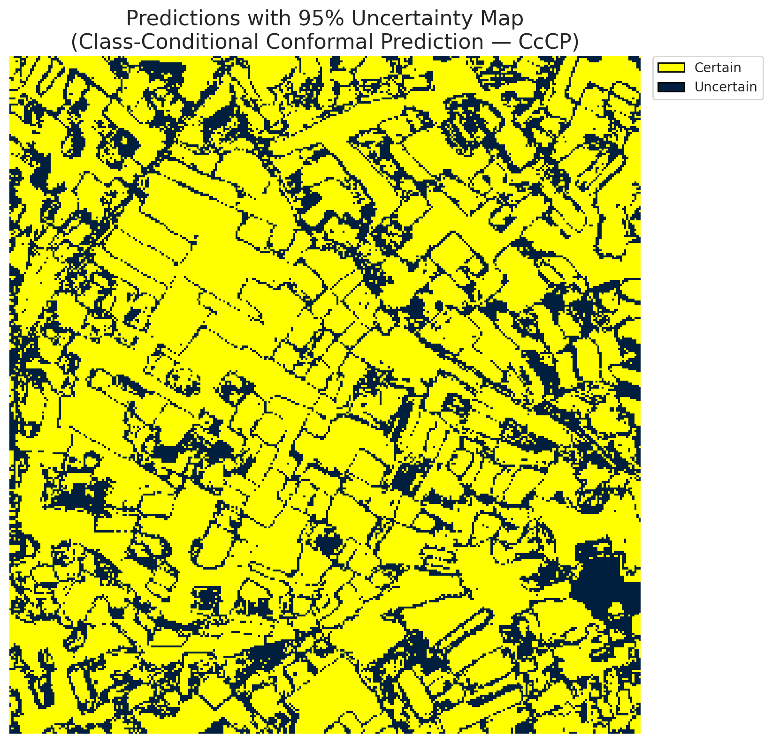
5 | Class 5 | 3770
6 | Class 6 | 2712
7 | Uncertain | 28517

Classwise q_hat
class_id | q_hat_classconditional
0 | 0.0362072219
1 | 0.039594089801
2 | 0.038544194963
3 | 0.054896013771
4 | 0.034883224043
5 | 0.036967276406
6 | 0.35336616124

 |  |  |  |  |  |  |  |  | Class Map with Uncertain Mask
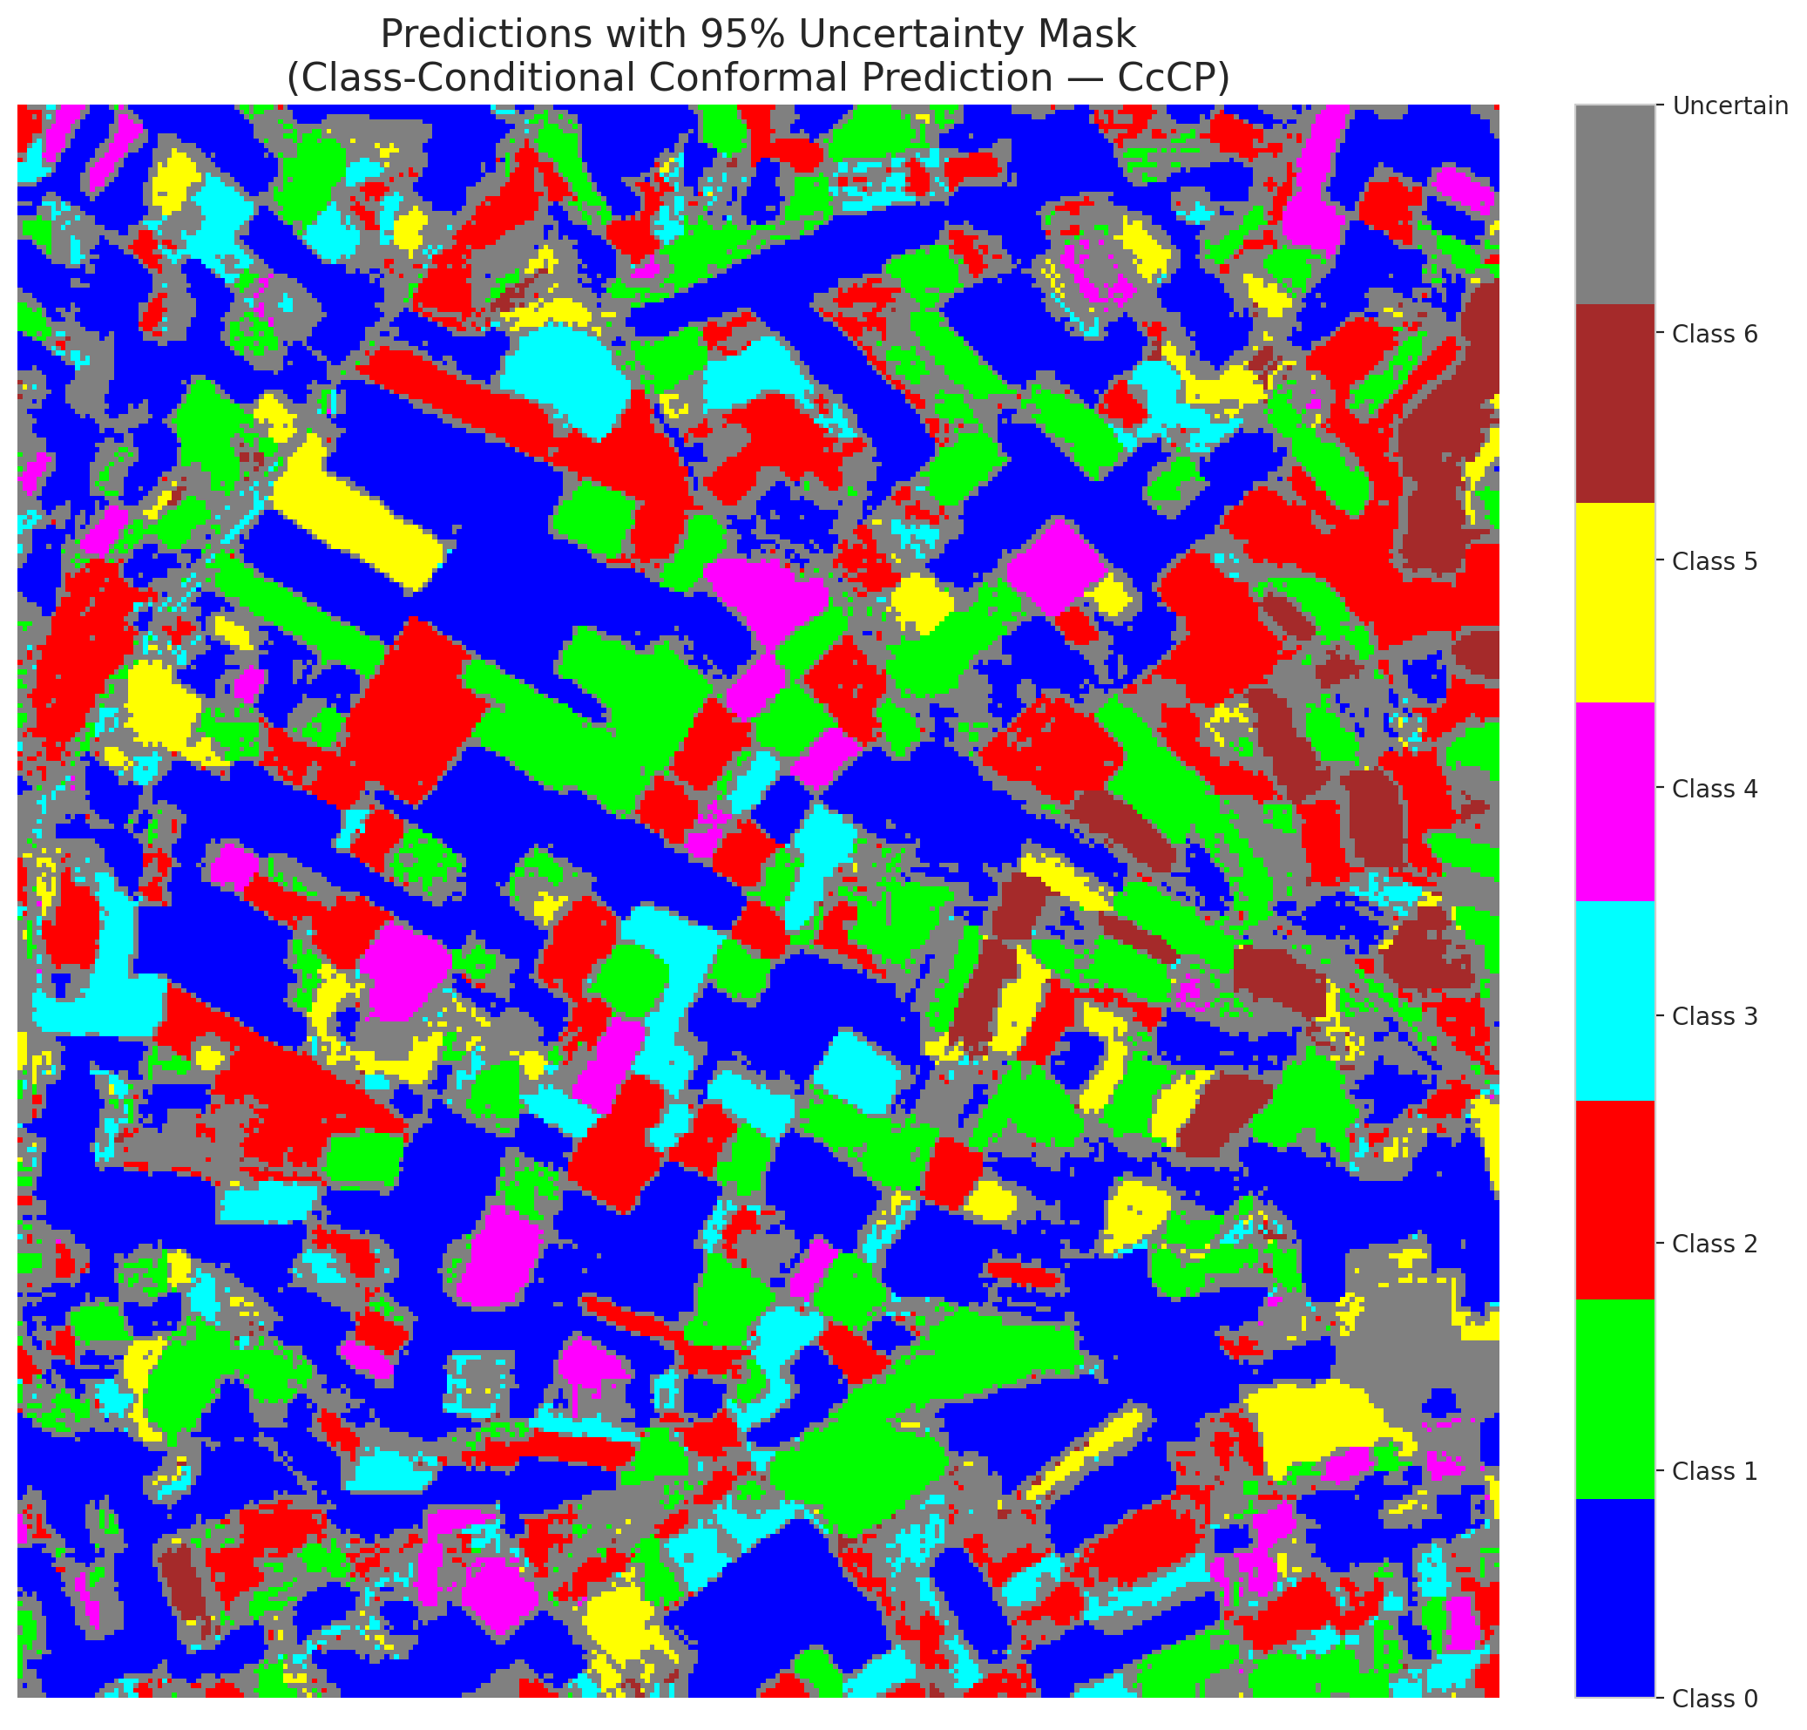

 |  |  |  |  |  |  |  |  | Pixel Counts

RC3P_GeoRSCLIP_TextHead
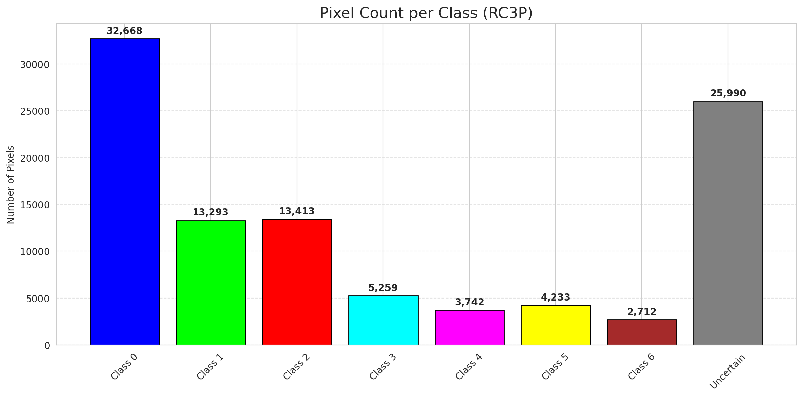
RC3P - GeoRSCLIP_TextHead |  |  |  |  |  |  |  |  | Per-Class Coverage
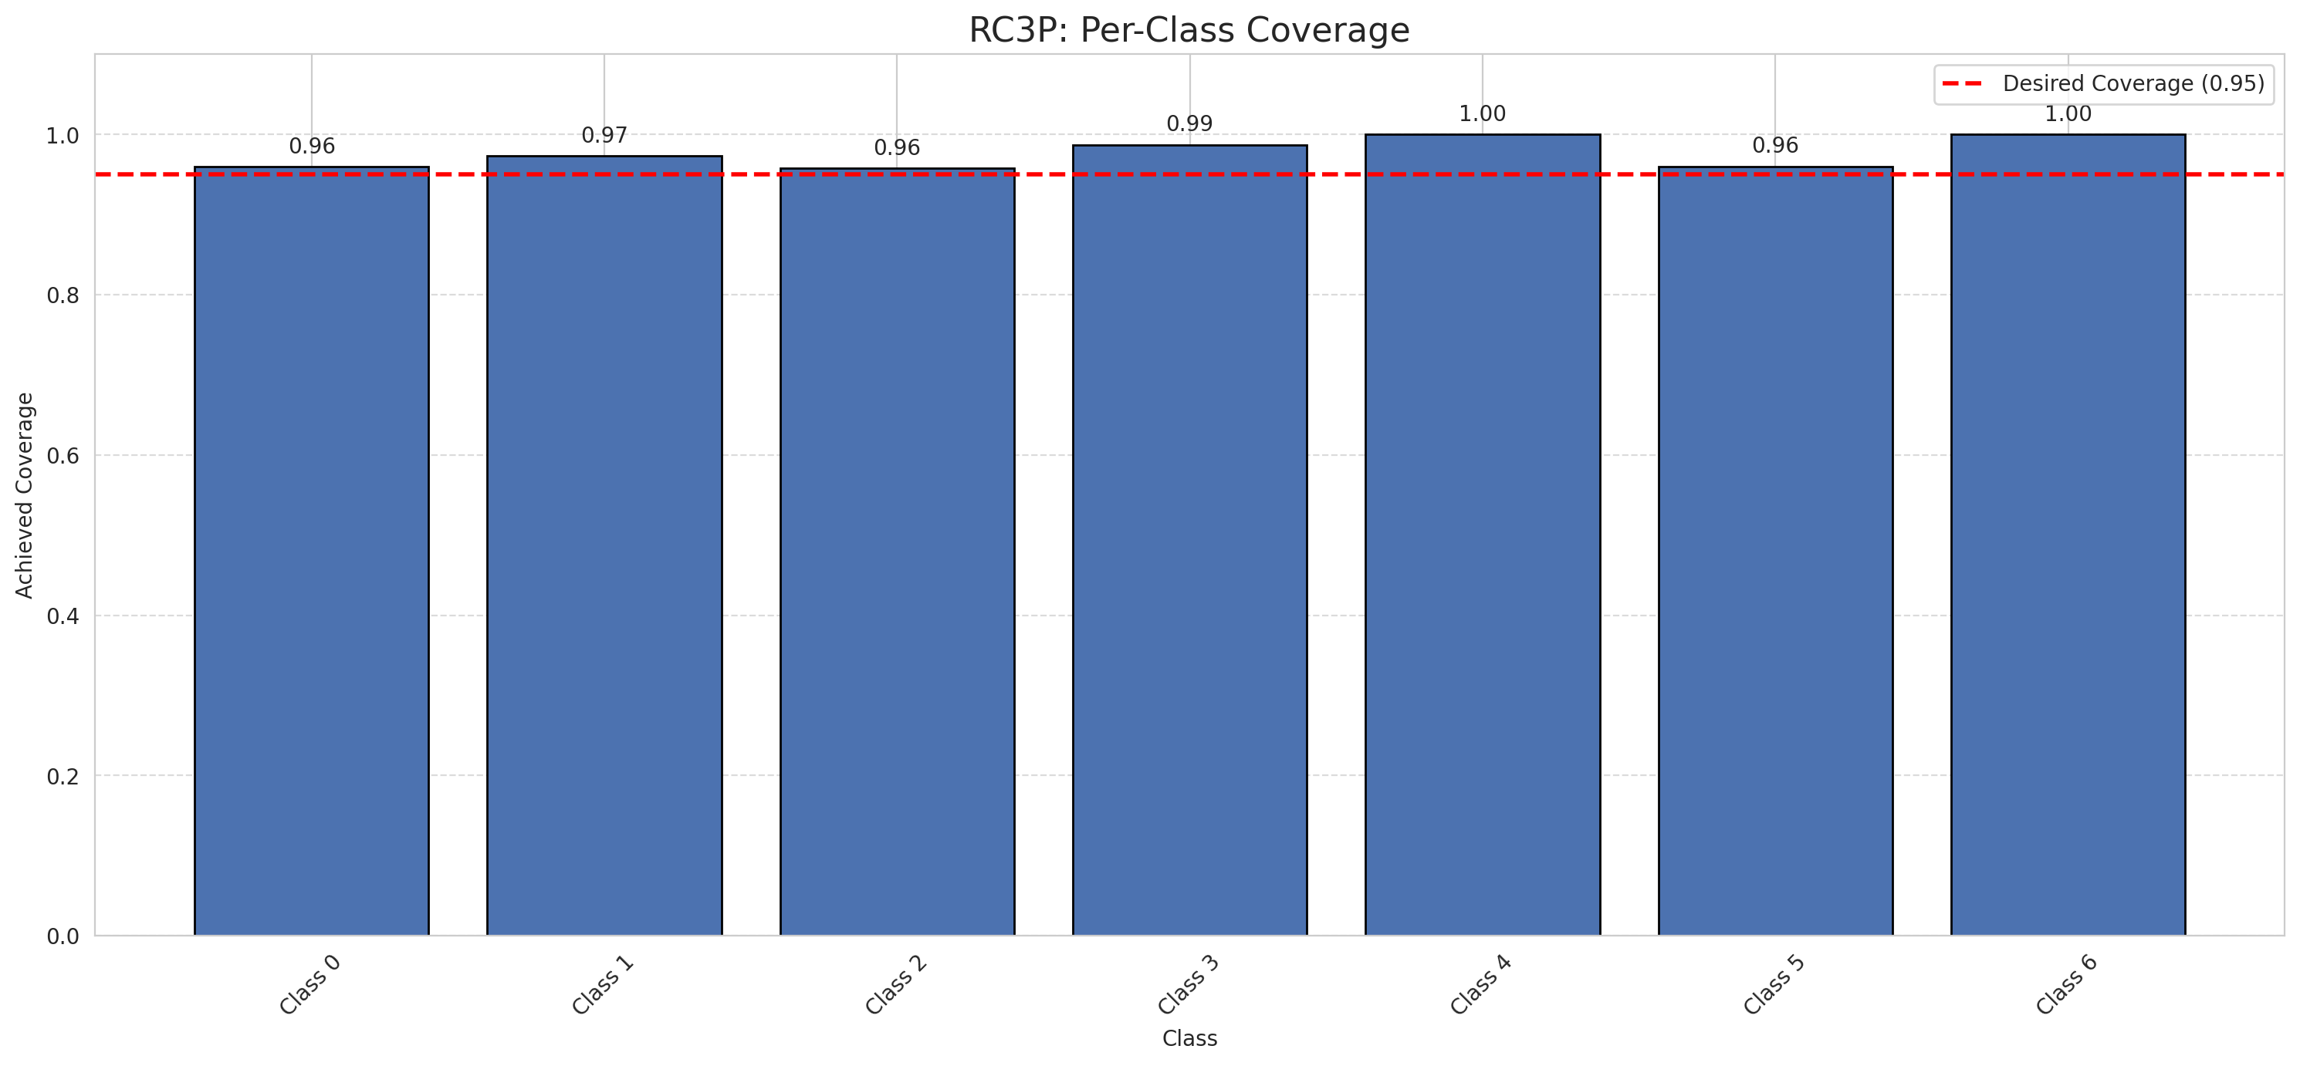
Summary
model_name | method | target_coverage | empirical_coverage | avg_set_size | median_set_size | singleton_rate | empty_set_rate | runtime_sec | alpha | lam | n_clusters | mean_per_class_coverage
GeoRSCLIP_TextHead | RC3P | 0.95 | 0.96751740139 | 0.96751740139 | 1 | 0.96751740139 | 0.032482598608 | 1.894464786 | 0.05 |  |  | 0.97696613813

Per-Class Coverage Values
class_id | class_coverage | support_count
0 | 0.95951859956 | 914
1 | 0.97356828194 | 454
2 | 0.95810055866 | 358
3 | 0.98717948718 | 156
4 | 1 | 104
5 | 0.9603960396 | 101
6 | 1 | 68

Pixel Counts
class_id | label | pixel_count
0 | Class 0 | 32668
1 | Class 1 | 13293
2 | Class 2 | 13413
3 | Class 3 | 5259
4 | Class 4 | 3742 |  |  |  |  |  |  | Certain vs Uncertain Map
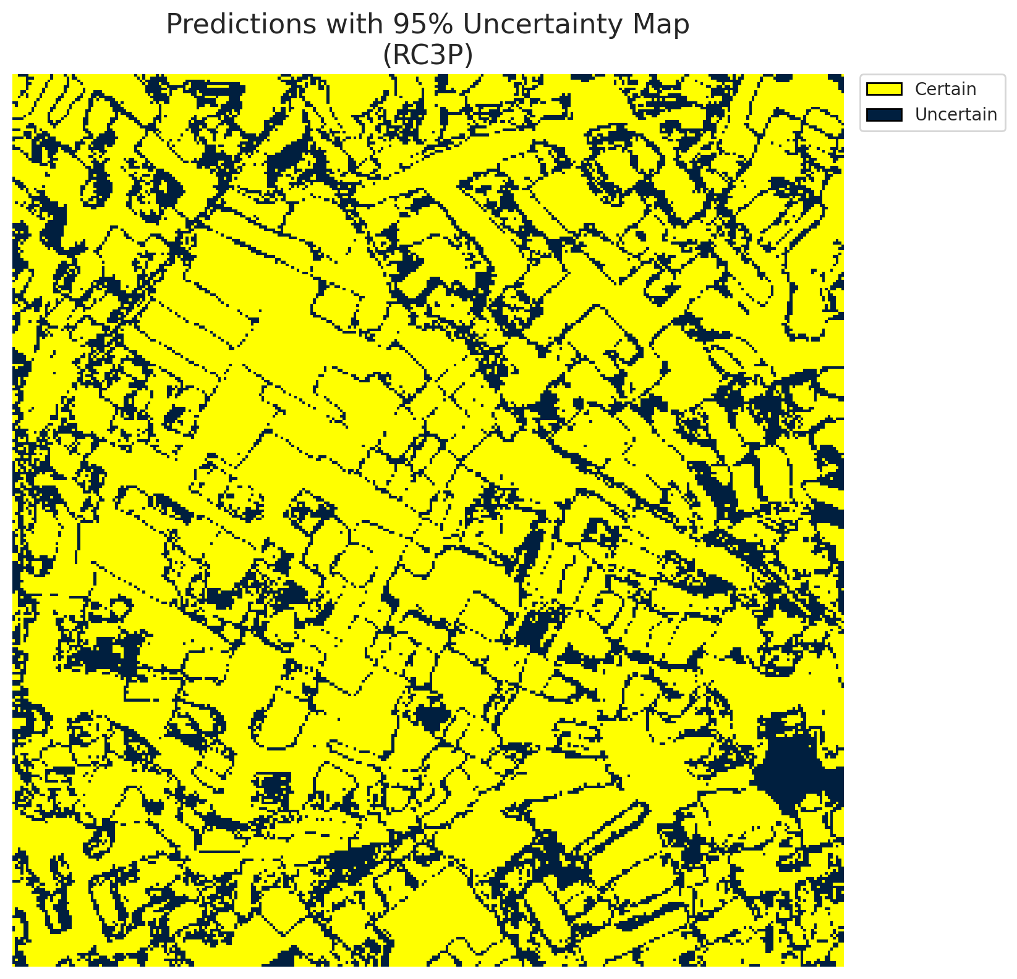
5 | Class 5 | 4233
6 | Class 6 | 2712
7 | Uncertain | 25990

RC3P Thresholds & Limits
class_id | q_hat_rc3p | suit_index_limit
0 | 0.036242110281 | 1
1 | 0.041546610689 | 1
2 | 0.039717771422 | 1
3 | 0.056874809014 | 1
4 | 0.054202630528 | 1
5 | 0.043892448578 | 1
6 | 0.35336616124 | 1

 |  |  |  |  |  |  |  |  | Class Map with Uncertain Mask
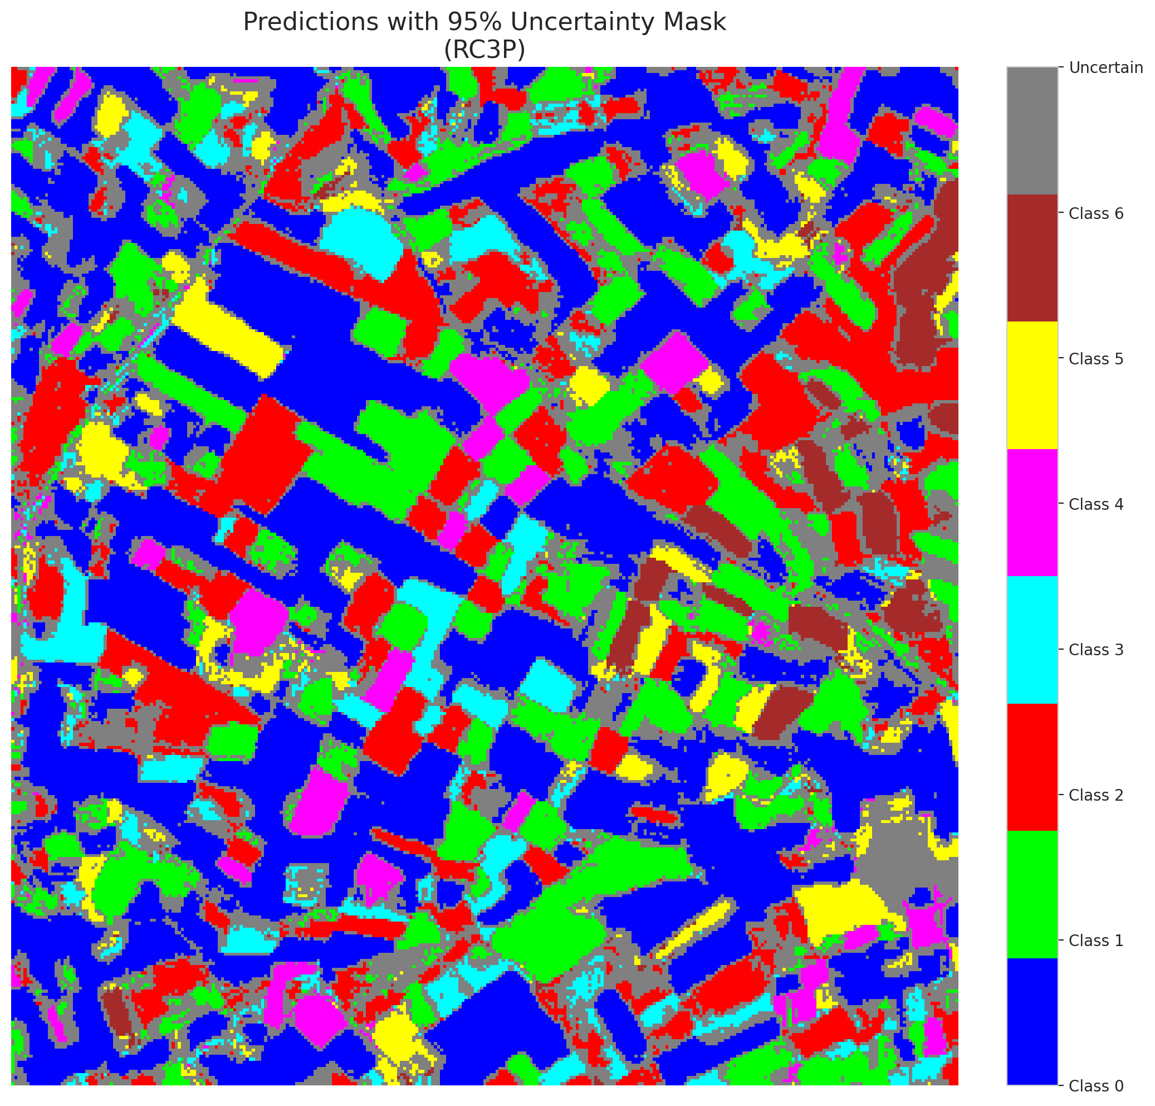

 |  |  |  |  |  |  |  |  | Pixel Counts

Clustered_GeoRSCLIP_TextHead
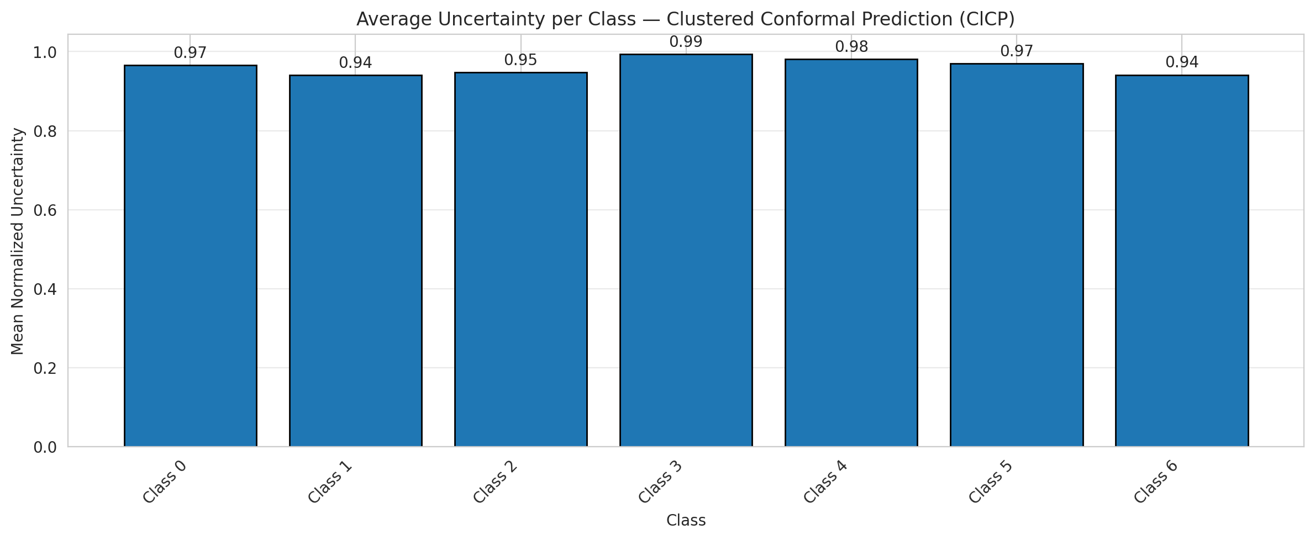
ClusteredConformal - GeoRSCLIP_TextHead |  |  |  |  |  |  |  |  | Per-Class Coverage
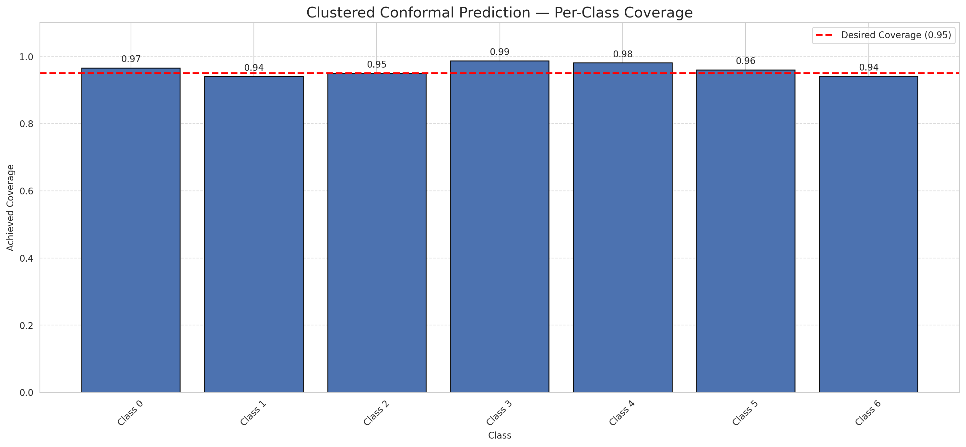
Summary
model_name | method | target_coverage | empirical_coverage | avg_set_size | median_set_size | singleton_rate | empty_set_rate | runtime_sec | alpha | lam | n_clusters | mean_per_class_coverage
GeoRSCLIP_TextHead | ClusteredConformal | 0.95 | 0.95916473318 | 0.95916473318 | 1 | 0.95916473318 | 0.040835266821 | 6.160086268 | 0.05 |  | 4 | 0.96083624055

Per-Class Coverage Values
class_id | class_coverage | support_count
0 | 0.96608315098 | 914
1 | 0.94052863436 | 454
2 | 0.94972067039 | 358
3 | 0.98717948718 | 156
4 | 0.98076923077 | 104
5 | 0.9603960396 | 101
6 | 0.94117647059 | 68

Class-to-Cluster Assignment
class_id | cluster_id
0 | 1
1 | 1
2 | 2
3 | 3
4 | 0 |  |  |  |  |  |  |  | Uncertainty Distribution
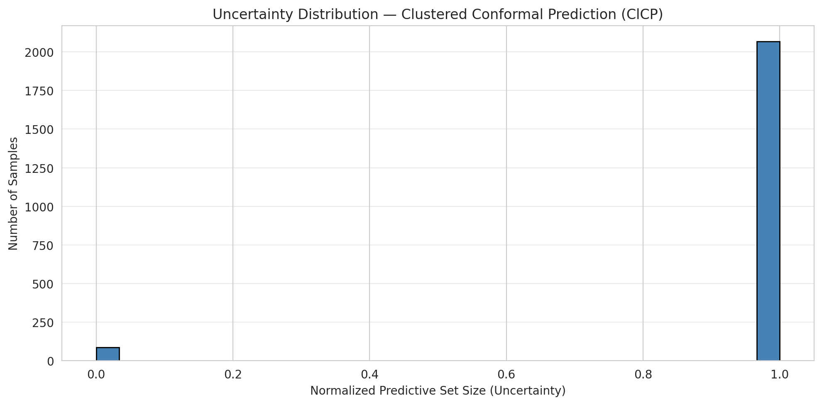
5 | 0
6 | 0

Cluster q_hat
cluster_id | q_hat_cluster
0 | 0.037720991247
1 | 0.036280686238
2 | 0.038544194963
3 | 0.054896013771

Cluster Mean Uncertainty
cluster | uncertainty
0 | 0.96691176471
1 | 0.95690284879
2 | 0.94707520891
3 | 0.9935483871

Class Mean Uncertainty
class_id | uncertainty
0 | 0.9650273224
1 | 0.94052863436 |  |  |  |  |  |  |  | Avg Uncertainty per Cluster
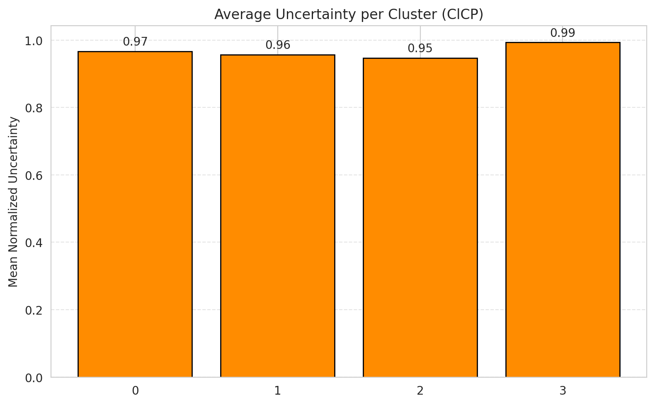
2 | 0.94707520891
3 | 0.9935483871
4 | 0.98076923077
5 | 0.97
6 | 0.94117647059

 |  |  |  |  |  |  |  |  | Avg Uncertainty per Class

RAPS_GeoRSCLIP_TextHead
RAPS - GeoRSCLIP_TextHead |  |  |  |  |  |  |  |  | Per-Class Coverage
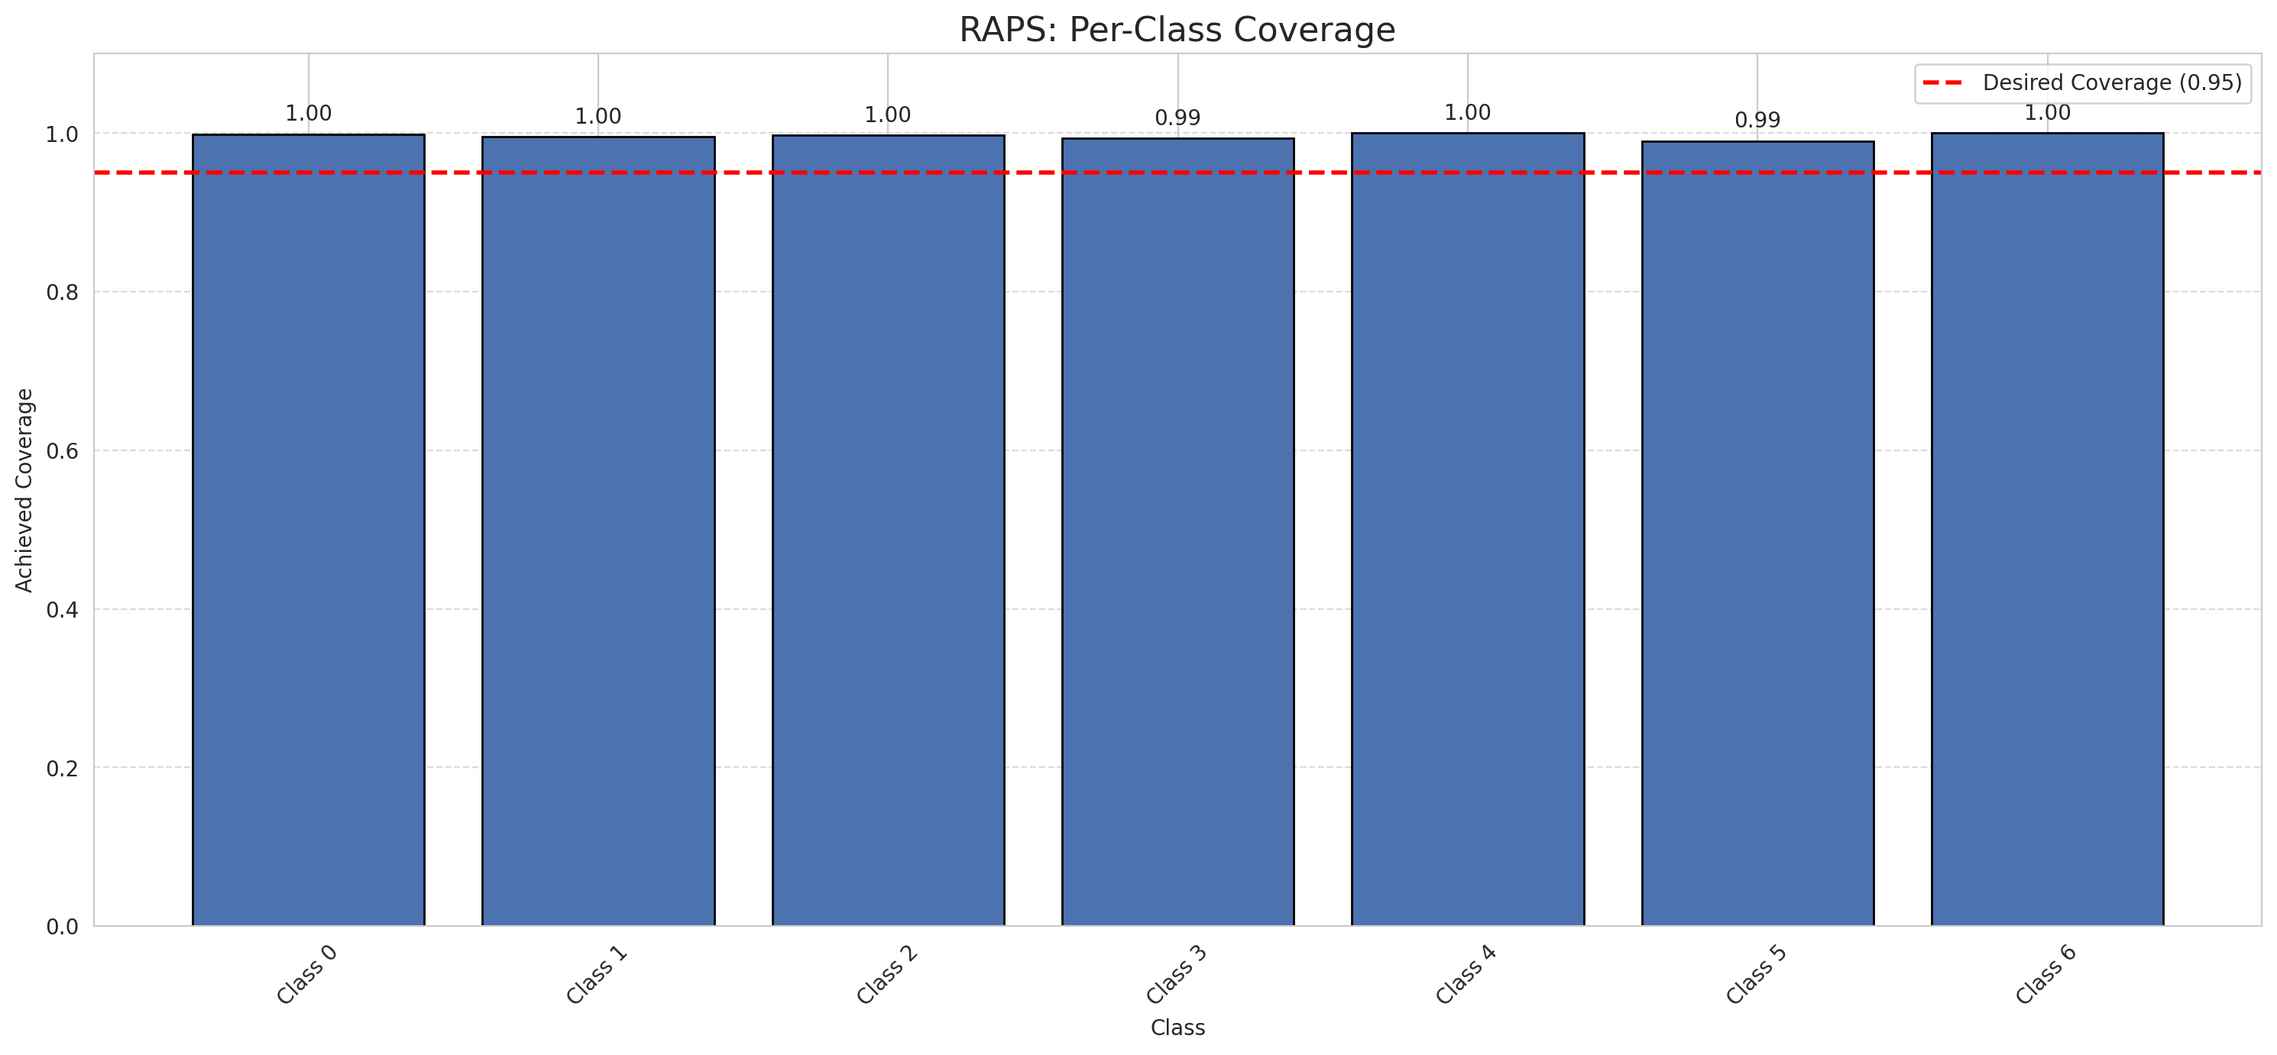
Summary
model_name | method | target_coverage | empirical_coverage | avg_set_size | median_set_size | singleton_rate | empty_set_rate | runtime_sec | alpha | lam | n_clusters | mean_per_class_coverage
GeoRSCLIP_TextHead | RAPS | 0.95 | 0.99721577726 | 1 | 1 | 1 | 0 | 0.396646296 | 0.05 | 0.01 |  | 0.99648515416

Per-Class Coverage Values
class_id | class_coverage | support_count
0 | 0.9989059081 | 914
1 | 0.99559471366 | 454
2 | 0.99720670391 | 358
3 | 0.99358974359 | 156
4 | 1 | 104
5 | 0.9900990099 | 101
6 | 1 | 68

RAPS Parameters
q_hat_raps | lambda | k_reg
0 | 0.01 | 1

Compare_Clustered
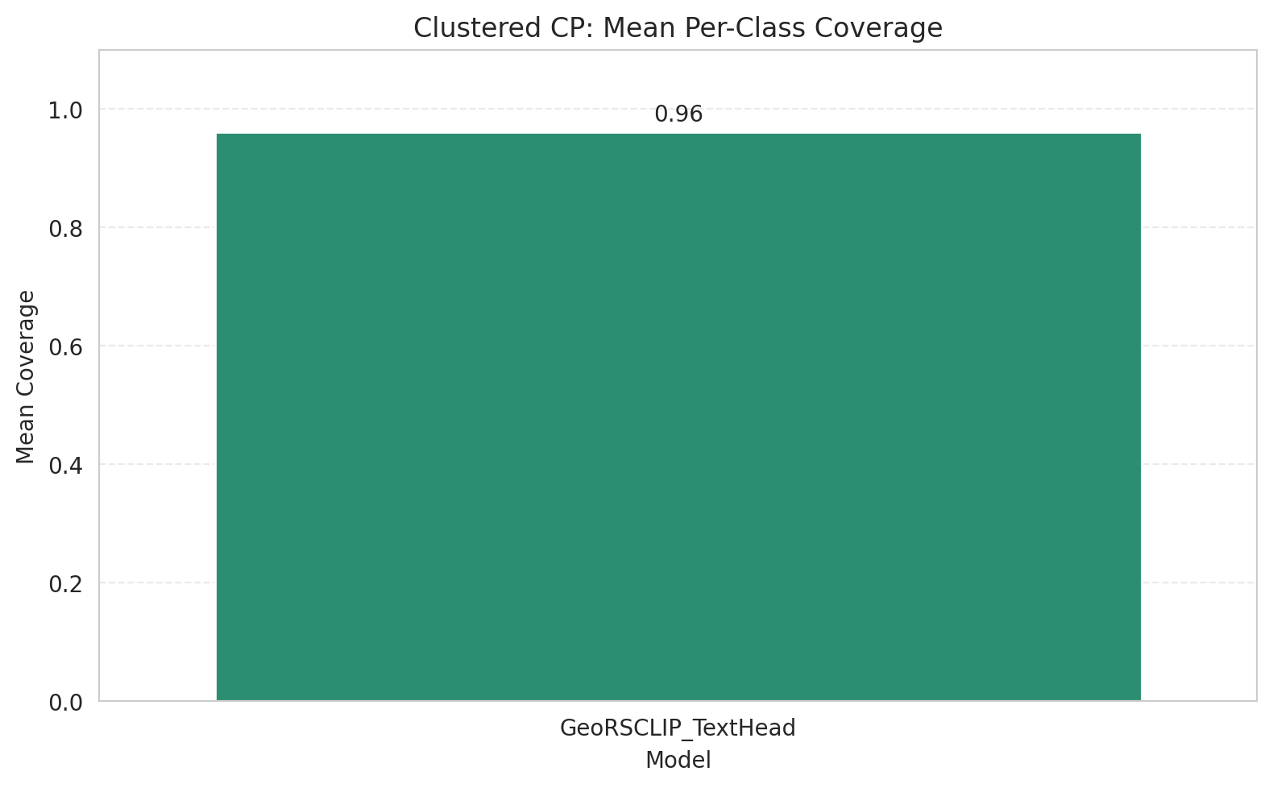
Clustered CP: 3-Model Comparison

model_name | method | target_coverage | empirical_coverage | avg_set_size | median_set_size | singleton_rate | empty_set_rate | model_name | mean_per_class_coverage | lam | n_clusters | mean_per_class_coverage
GeoRSCLIP_TextHead | ClusteredConformal | 0.95 | 0.95916473318 | 0.95916473318 | 1 | 0.95916473318 | 0.040835266821 | GeoRSCLIP_TextHead | 0.96083624055 |  | 4 | 0.96083624055

Grouped Metrics Comparison

Mean Per-Class Coverage Comparison

Compare_RAPS
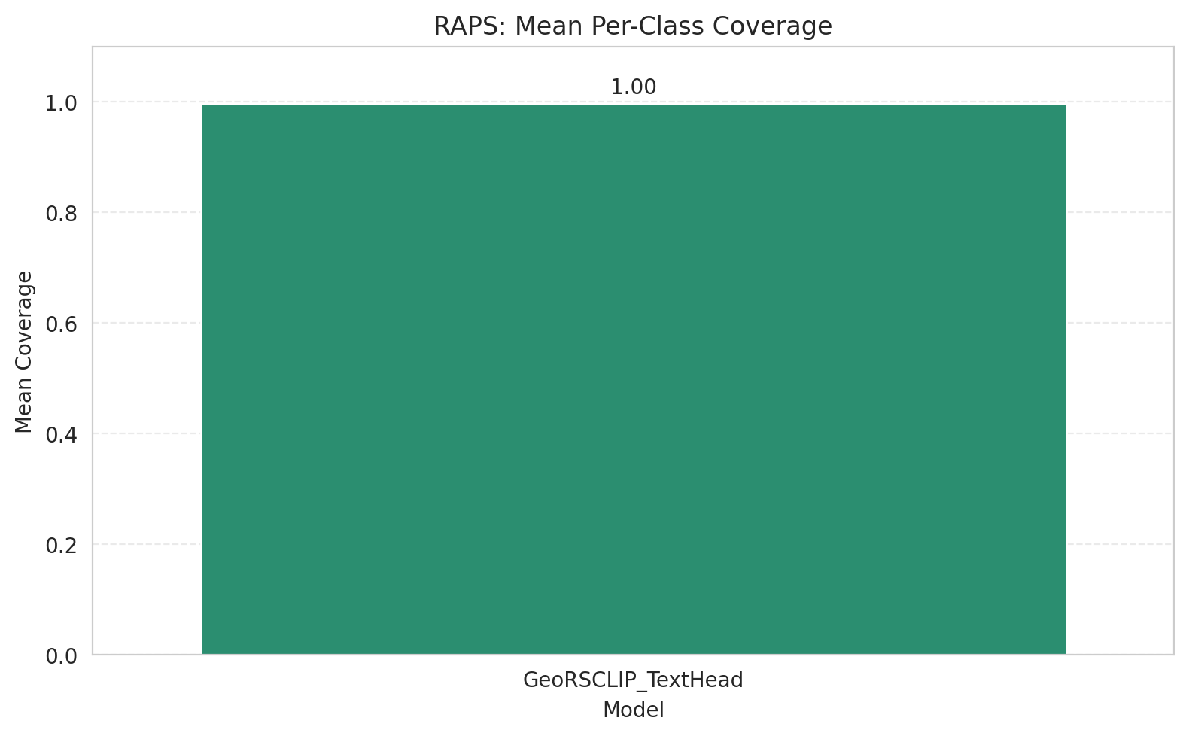
RAPS: 3-Model Comparison

model_name | method | target_coverage | empirical_coverage | avg_set_size | median_set_size | singleton_rate | empty_set_rate | model_name | mean_per_class_coverage | lam | n_clusters | mean_per_class_coverage
GeoRSCLIP_TextHead | RAPS | 0.95 | 0.99721577726 | 1 | 1 | 1 | 0 | GeoRSCLIP_TextHead | 0.99648515416 | 0.01 |  | 0.99648515416

Grouped Metrics Comparison

Mean Per-Class Coverage Comparison

