Split_DOFA_Spectral
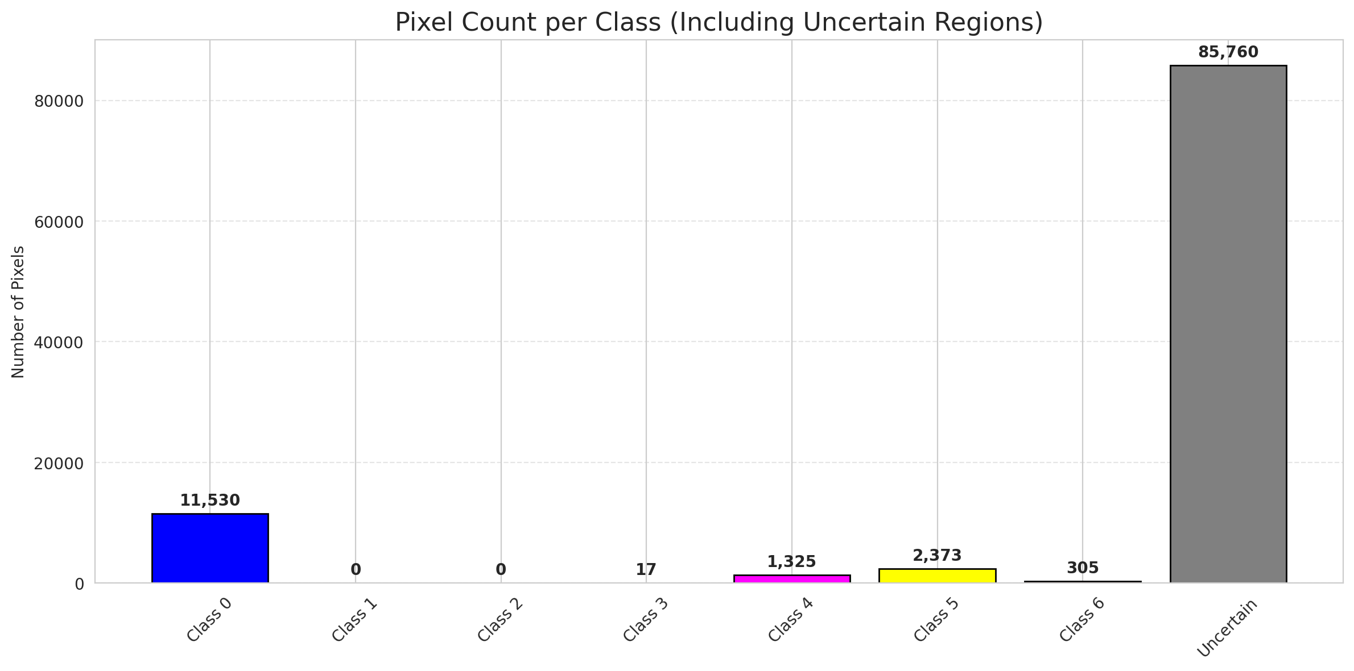
SplitConformal - DOFA_Spectral |  |  |  |  |  |  |  |  | Per-Class Coverage
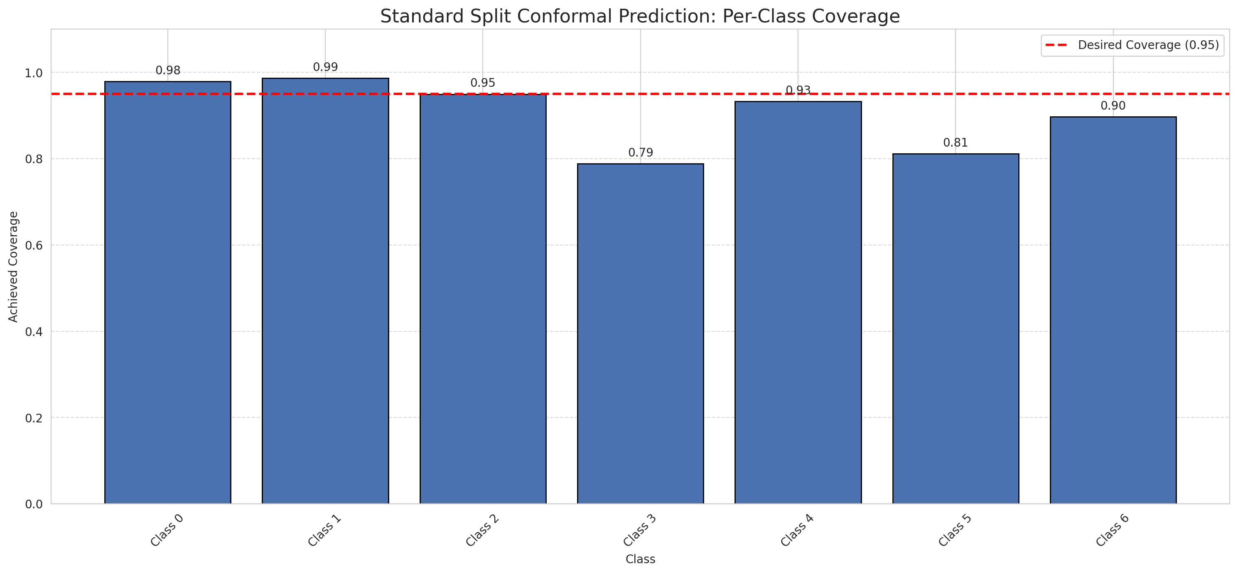
Summary
model_name | method | target_coverage | empirical_coverage | avg_set_size | median_set_size | singleton_rate | empty_set_rate | runtime_sec | alpha | lam | n_clusters | mean_per_class_coverage
DOFA_Spectral | SplitConformal | 0.95 | 0.9494199536 | 2.1600928074 | 2 | 0.2222737819 | 0 | 1.501472937 | 0.05 |  |  | 0.90654441757

Per-Class Coverage Values
class_id | class_coverage | support_count
0 | 0.97921225383 | 914
1 | 0.98678414097 | 454
2 | 0.94972067039 | 358
3 | 0.78846153846 | 156
4 | 0.93269230769 | 104
5 | 0.81188118812 | 101
6 | 0.89705882353 | 68

Pixel Counts
class_id | label | pixel_count
0 | Class 0 | 11530
1 | Class 1 | 0
2 | Class 2 | 0
3 | Class 3 | 17
4 | Class 4 | 1325 |  |  |  |  |  |  | Certain vs Uncertain Map
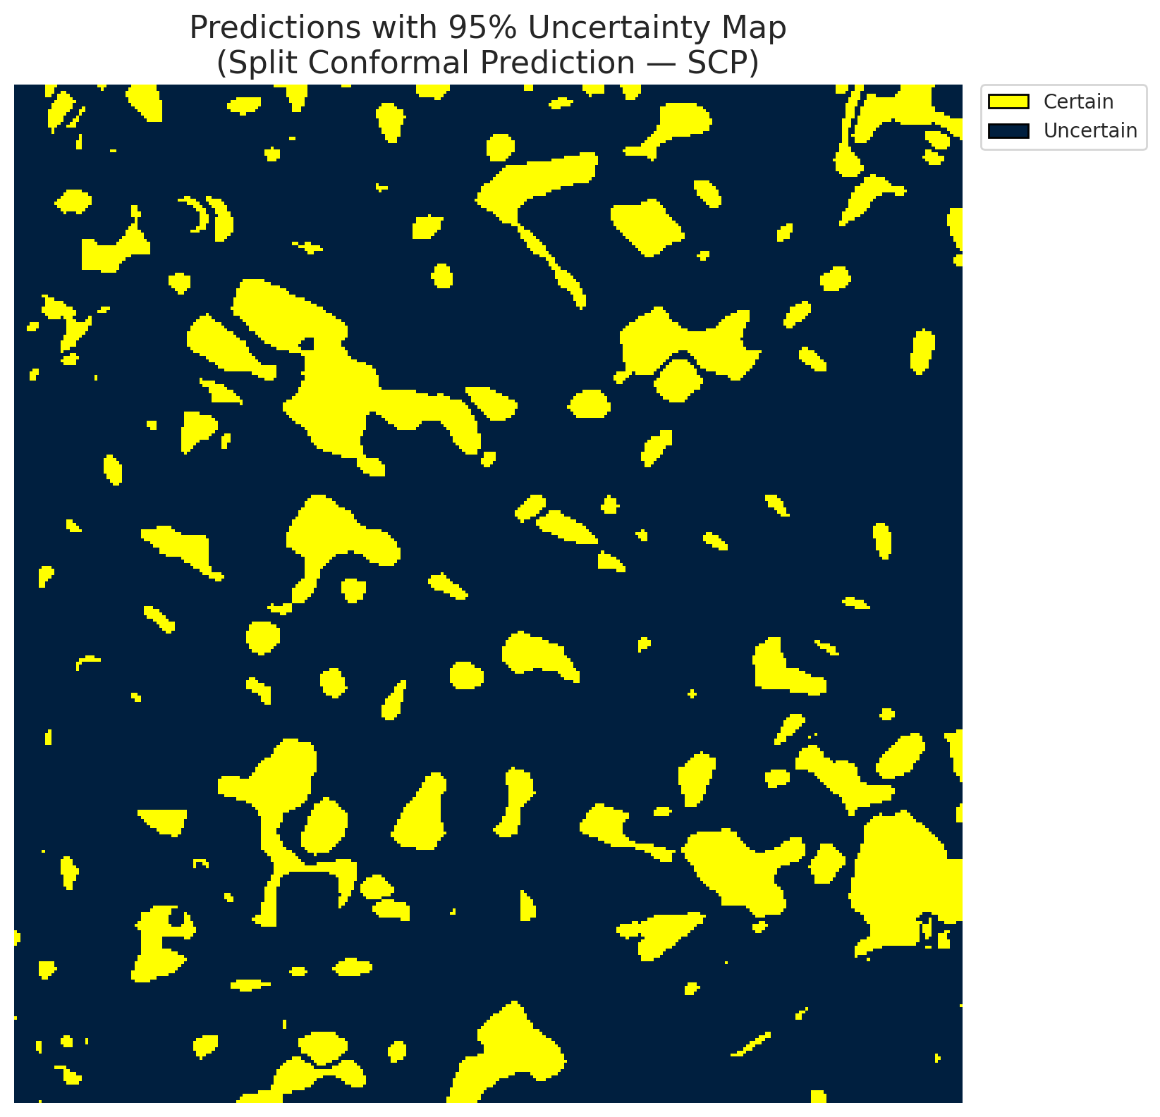
5 | Class 5 | 2373
6 | Class 6 | 305
7 | Uncertain | 85760

Threshold
q_hat_split
0.89011900884

 |  |  |  |  |  |  |  |  | Class Map with Uncertain Mask
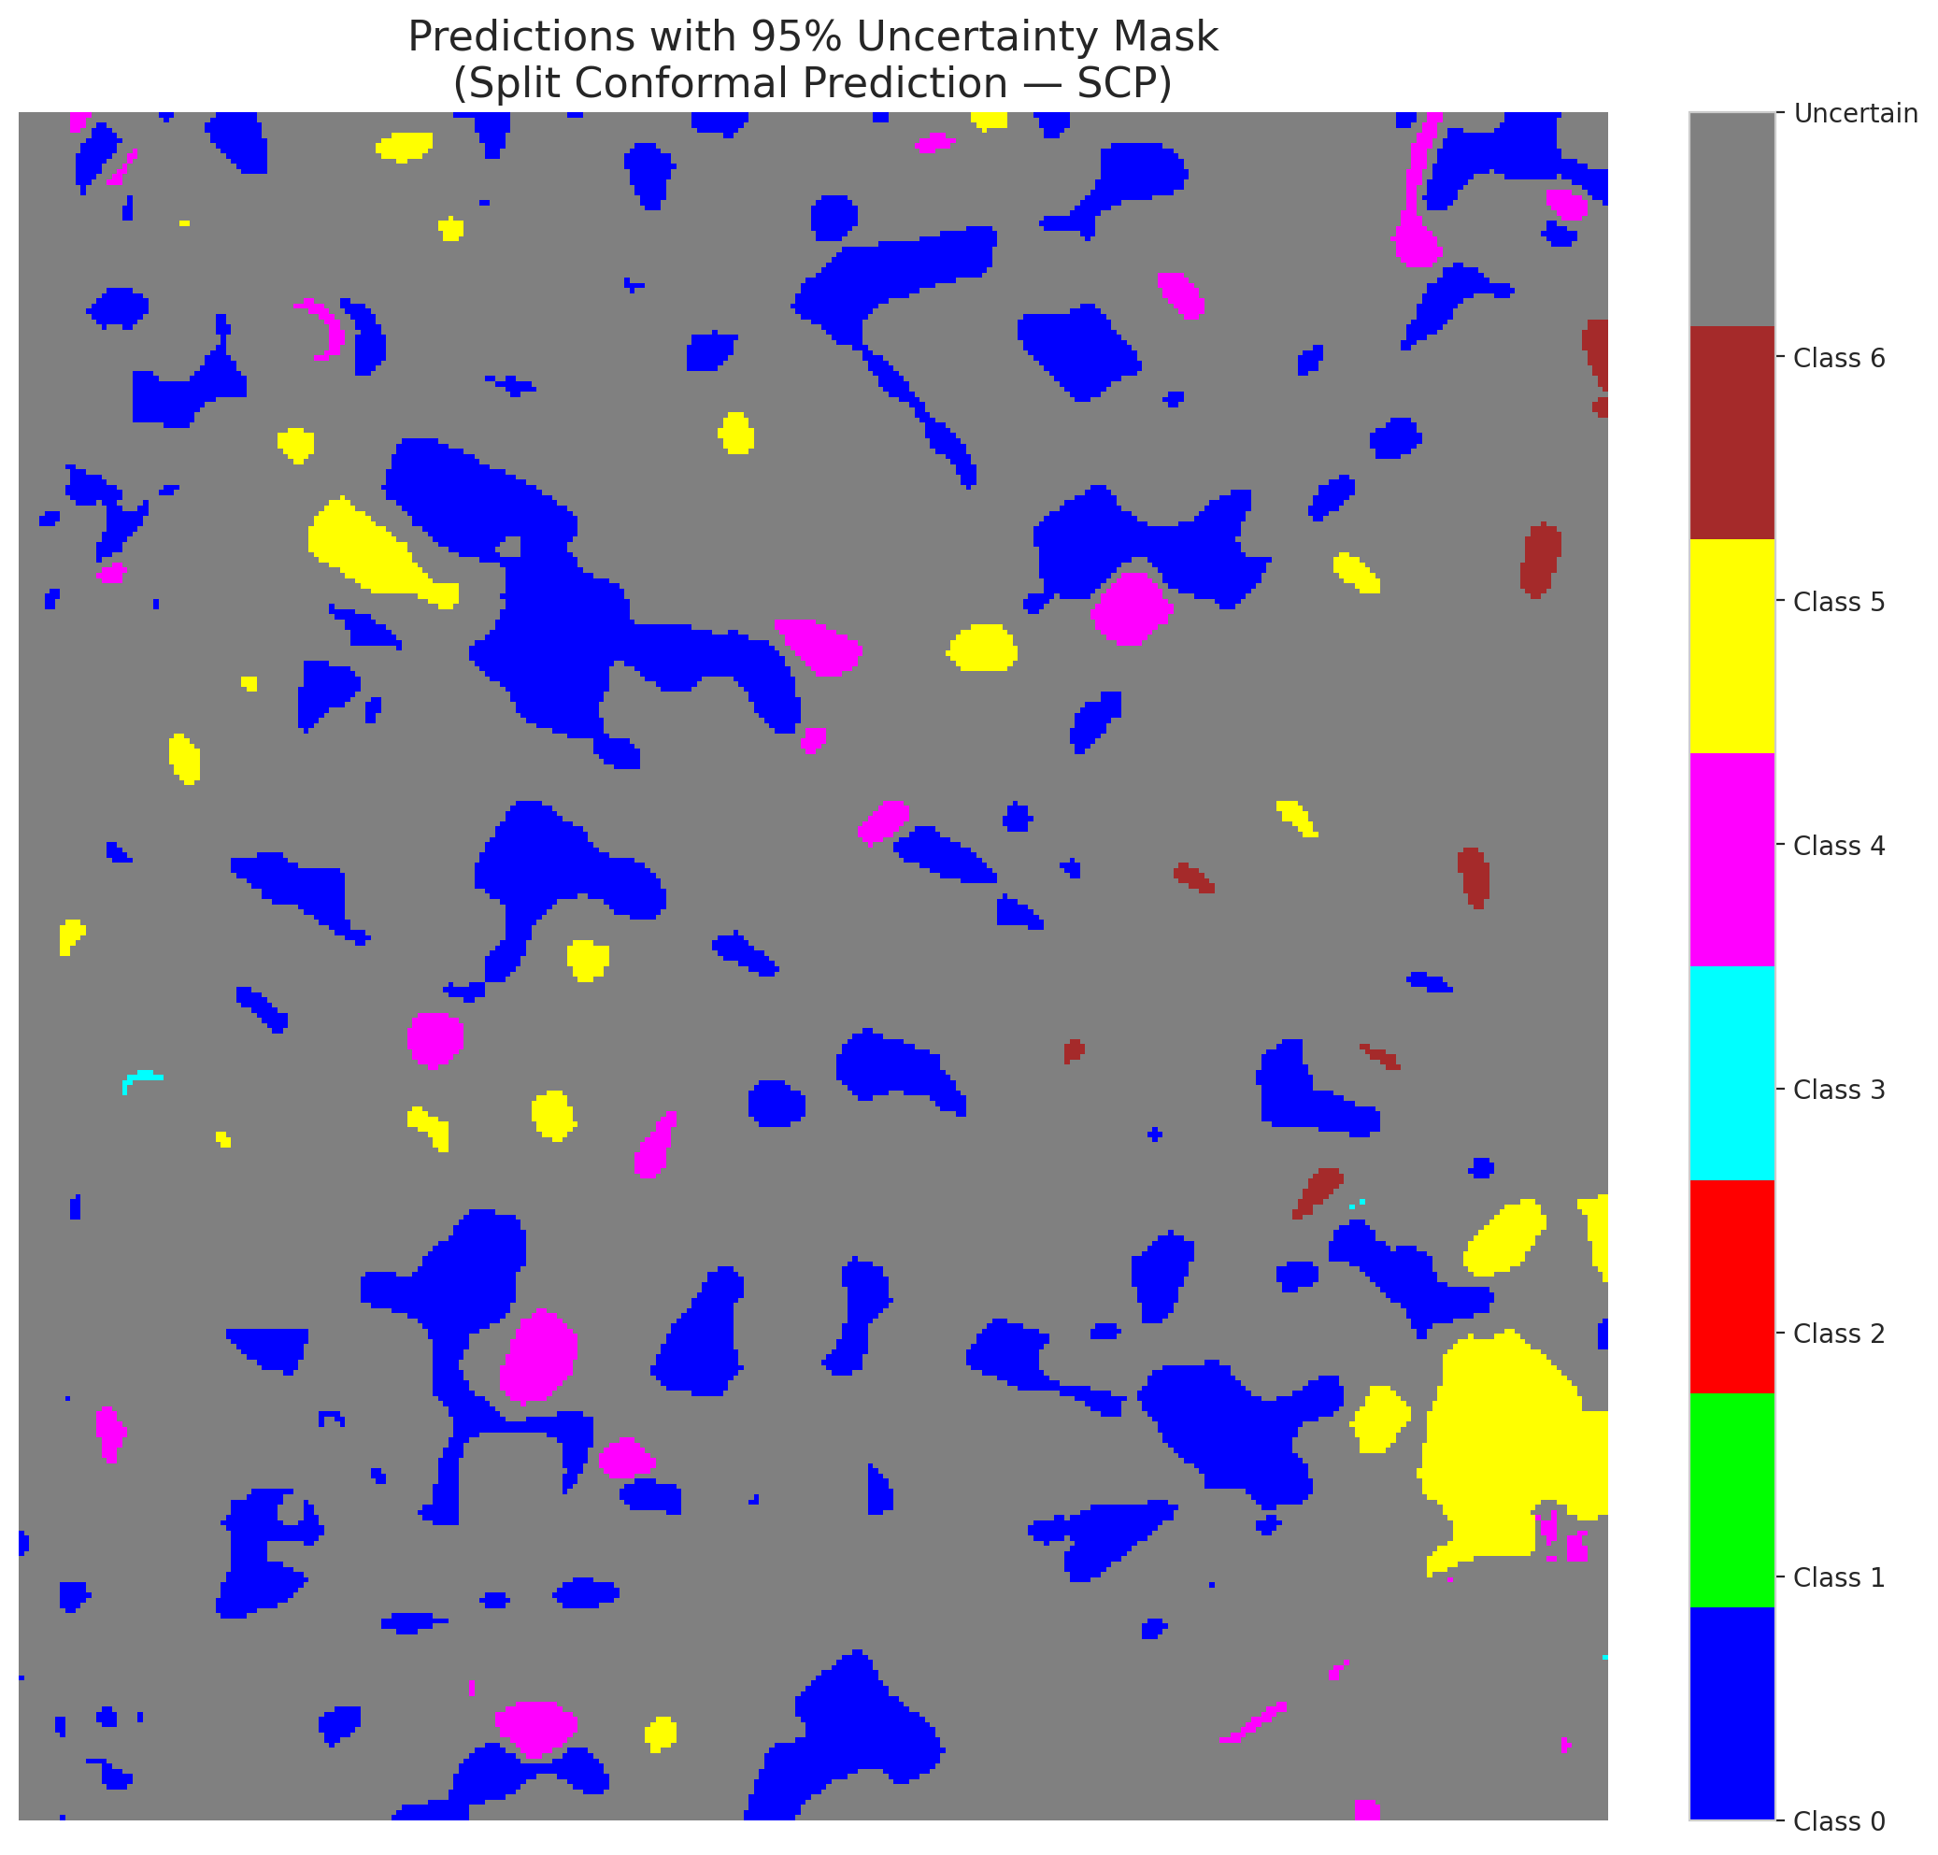

 |  |  |  |  |  |  |  |  | Pixel Counts

ClassCond_DOFA_Spectral
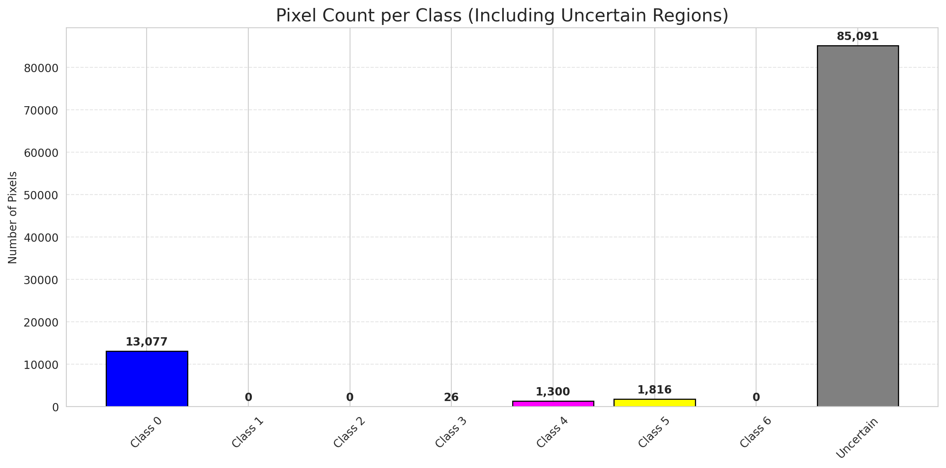
ClassConditionalConformal - DOFA_Spectral |  |  |  |  |  |  |  |  | Per-Class Coverage
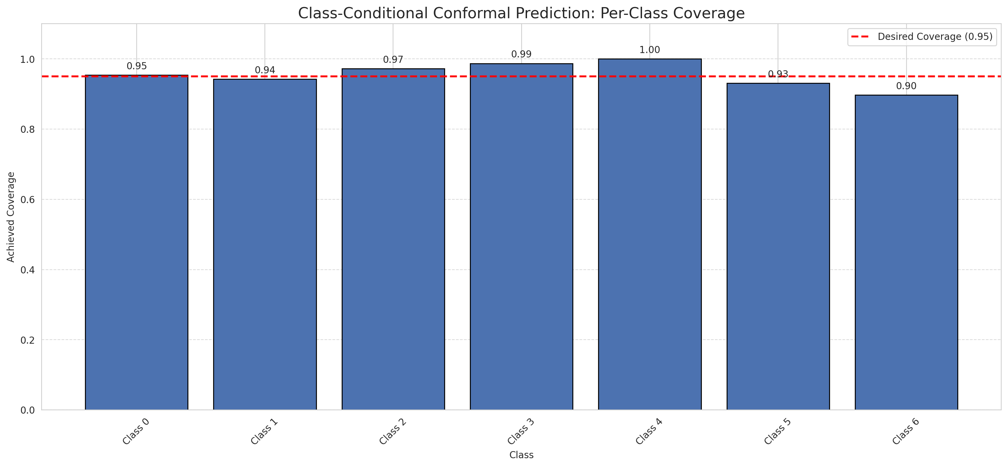
Summary
model_name | method | target_coverage | empirical_coverage | avg_set_size | median_set_size | singleton_rate | empty_set_rate | runtime_sec | alpha | lam | n_clusters | mean_per_class_coverage
DOFA_Spectral | ClassConditionalConformal | 0.95 | 0.95638051044 | 2.603712297 | 3 | 0.23805104408 | 0 | 1.487060924 | 0.05 |  |  | 0.95482540524

Per-Class Coverage Values
class_id | class_coverage | support_count
0 | 0.95404814004 | 914
1 | 0.94273127753 | 454
2 | 0.97206703911 | 358
3 | 0.98717948718 | 156
4 | 1 | 104
5 | 0.93069306931 | 101
6 | 0.89705882353 | 68

Pixel Counts
class_id | label | pixel_count
0 | Class 0 | 13077
1 | Class 1 | 0
2 | Class 2 | 0
3 | Class 3 | 26
4 | Class 4 | 1300 |  |  |  |  |  |  | Certain vs Uncertain Map
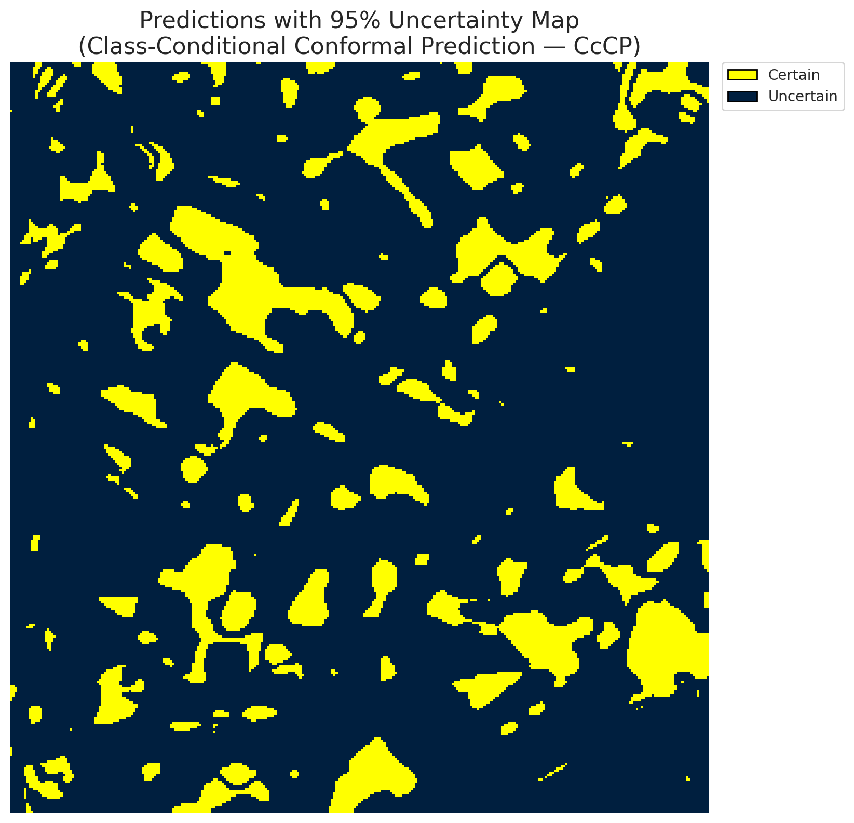
5 | Class 5 | 1816
6 | Class 6 | 0
7 | Uncertain | 85091

Classwise q_hat
class_id | q_hat_classconditional
0 | 0.79189380858
1 | 0.85770860871
2 | 0.93844256673
3 | 0.9627530939
4 | 0.97277212336
5 | 0.96035136629
6 | 0.86600192757

 |  |  |  |  |  |  |  |  | Class Map with Uncertain Mask
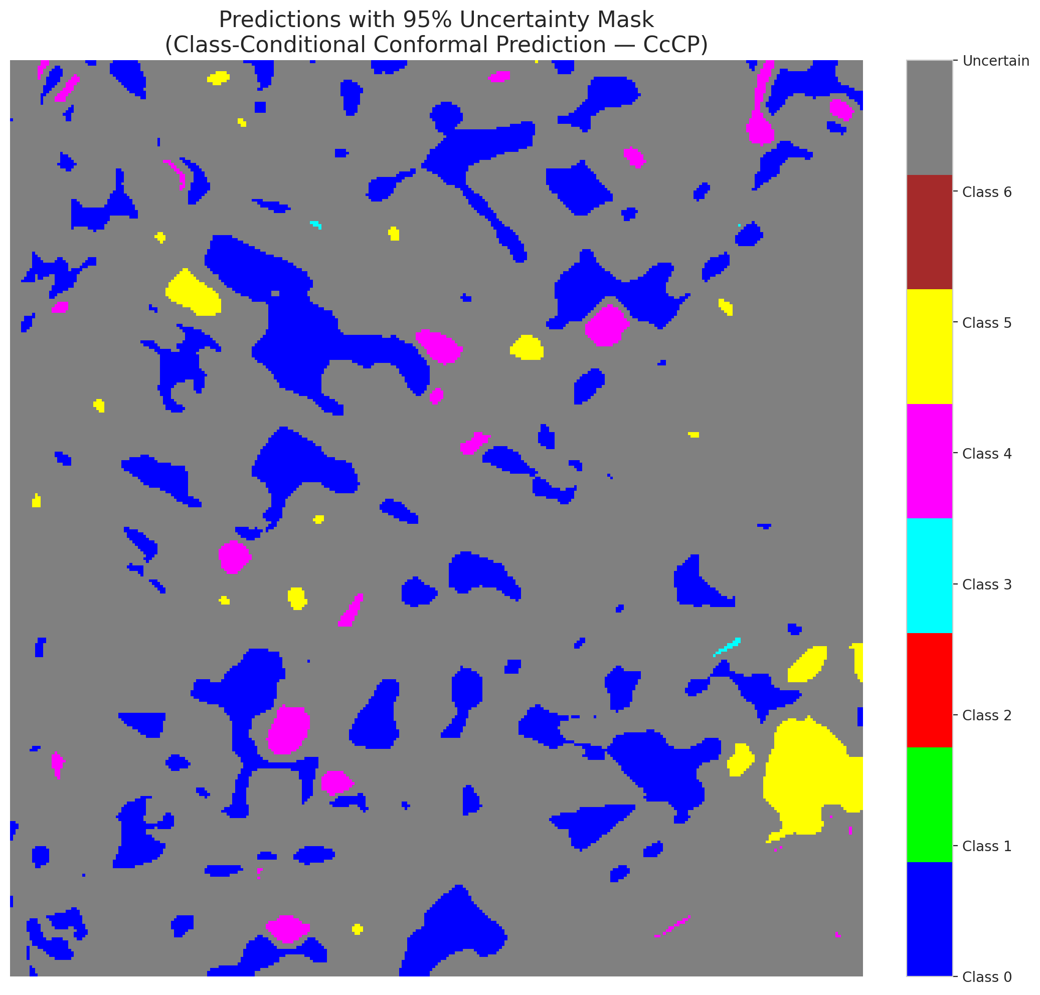

 |  |  |  |  |  |  |  |  | Pixel Counts

RC3P_DOFA_Spectral

RC3P - DOFA_Spectral |  |  |  |  |  |  |  |  | Per-Class Coverage
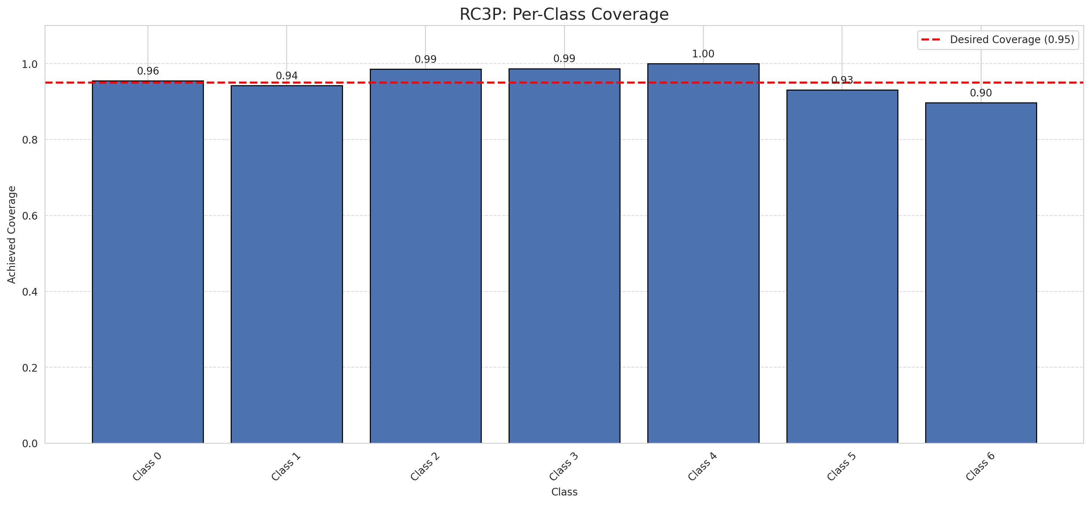
Summary
model_name | method | target_coverage | empirical_coverage | avg_set_size | median_set_size | singleton_rate | empty_set_rate | runtime_sec | alpha | lam | n_clusters | mean_per_class_coverage
DOFA_Spectral | RC3P | 0.95 | 0.95916473318 | 2.6515081206 | 3 | 0.23387470998 | 0 | 1.508546024 | 0.05 |  |  | 0.95697691558

Per-Class Coverage Values
class_id | class_coverage | support_count
0 | 0.95514223195 | 914
1 | 0.94273127753 | 454
2 | 0.98603351955 | 358
3 | 0.98717948718 | 156
4 | 1 | 104
5 | 0.93069306931 | 101
6 | 0.89705882353 | 68

Pixel Counts
class_id | label | pixel_count
0 | Class 0 | 12789
1 | Class 1 | 0
2 | Class 2 | 0
3 | Class 3 | 18
4 | Class 4 | 1199 |  |  |  |  |  |  | Certain vs Uncertain Map

5 | Class 5 | 1783
6 | Class 6 | 0
7 | Uncertain | 85521

RC3P Thresholds & Limits
class_id | q_hat_rc3p | suit_index_limit
0 | 0.81287734585 | 3
1 | 0.86025947066 | 3
2 | 0.95121221266 | 4
3 | 0.96360664449 | 5
4 | 0.97559997262 | 5
5 | 0.96753698173 | 4
6 | 0.86600192757 | 4

 |  |  |  |  |  |  |  |  | Class Map with Uncertain Mask
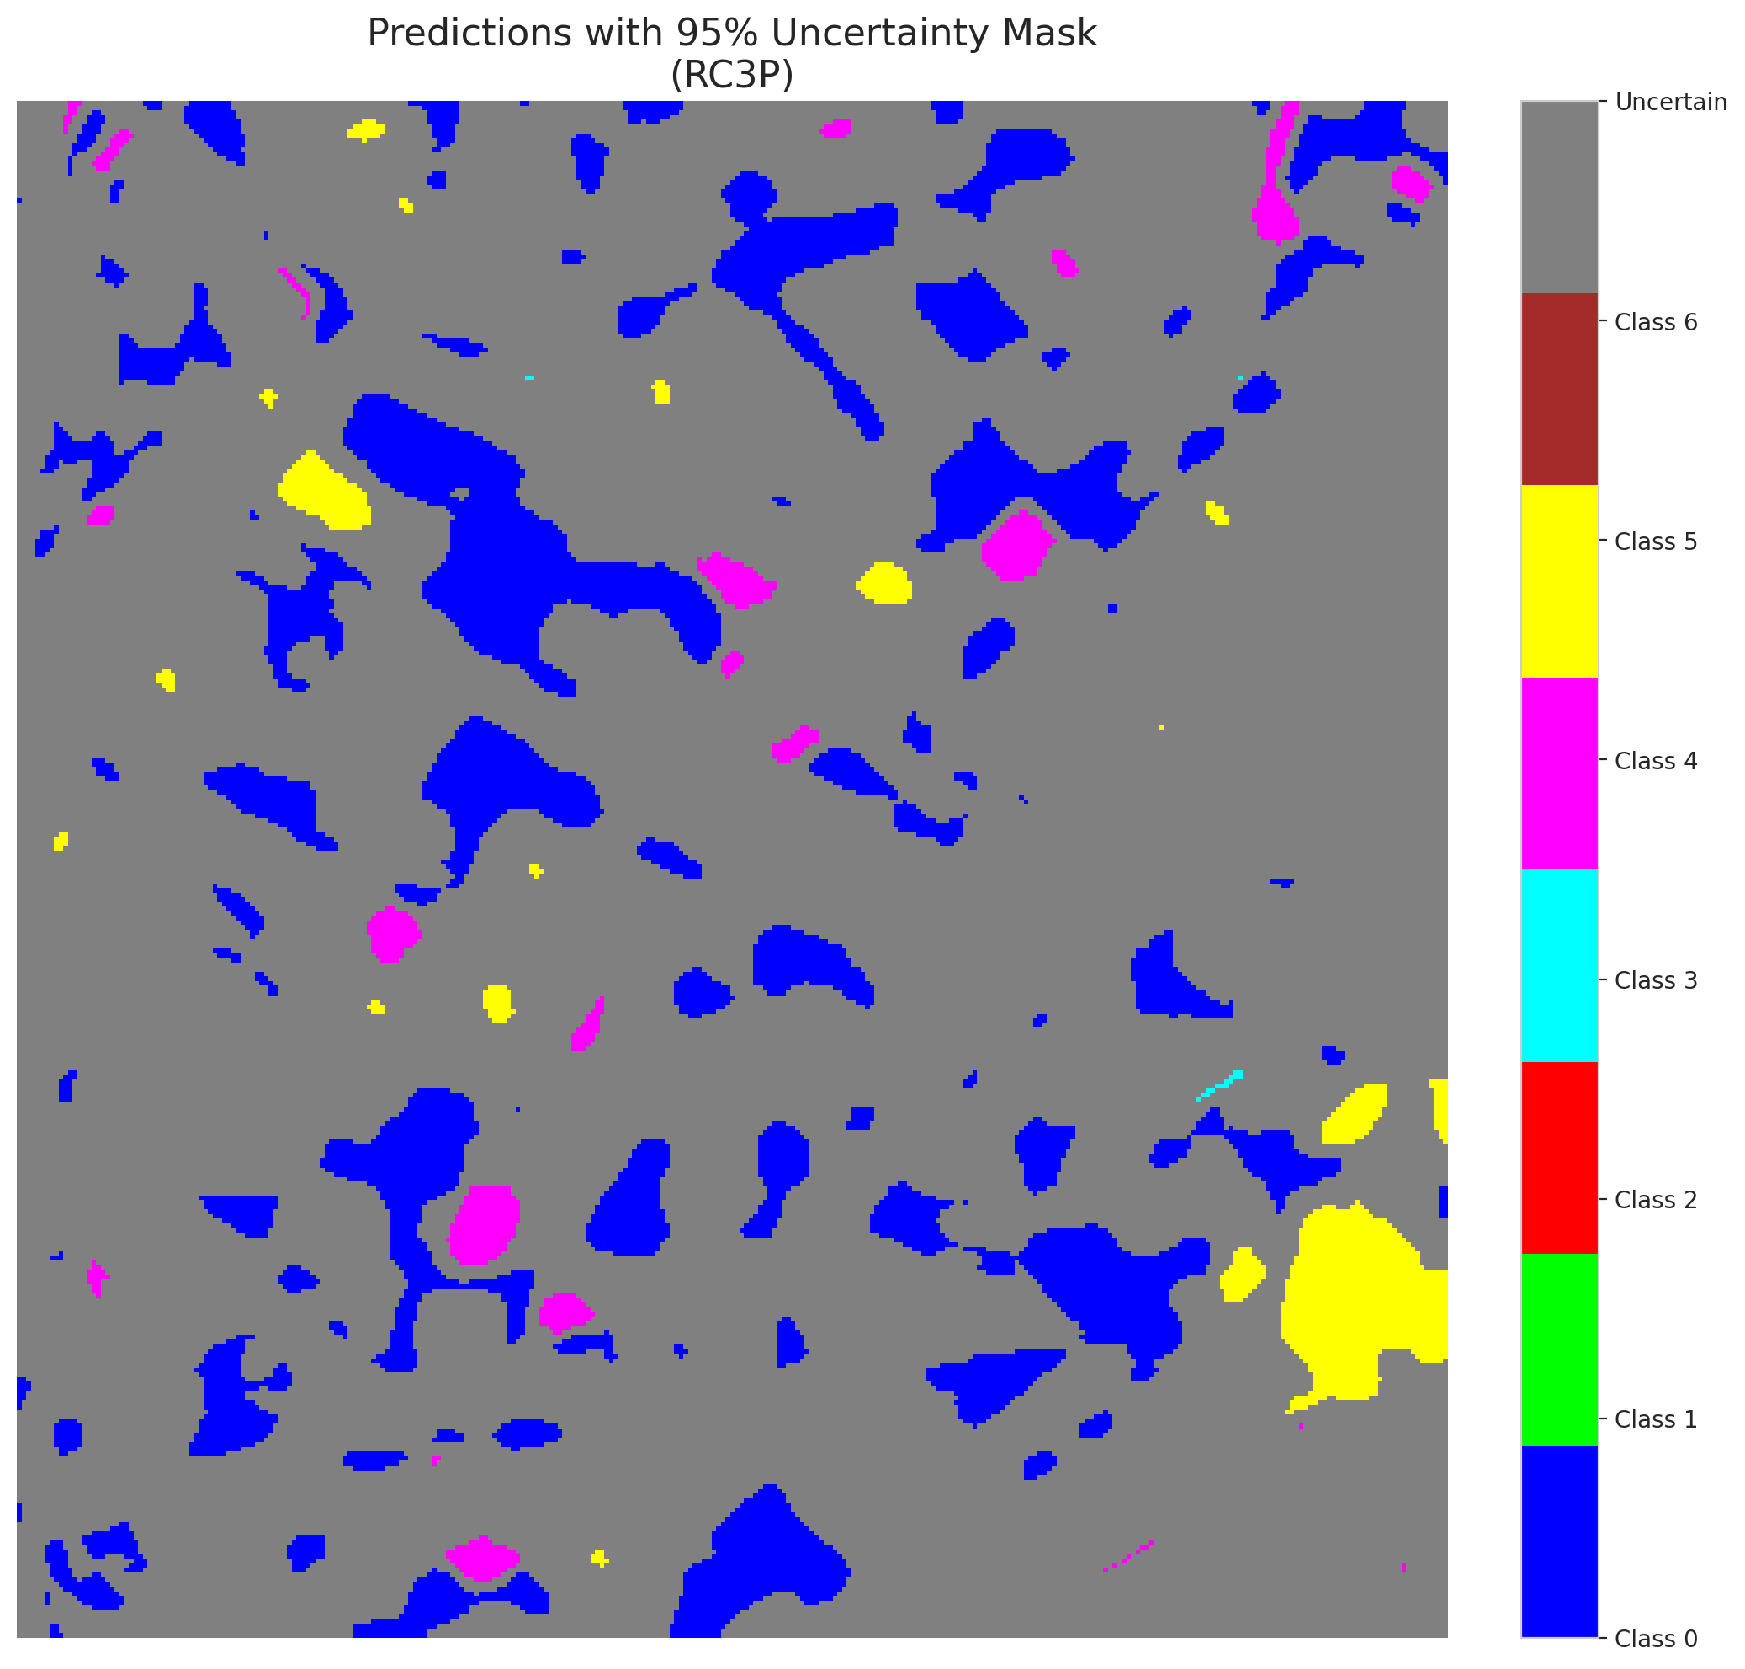

 |  |  |  |  |  |  |  |  | Pixel Counts

Clustered_DOFA_Spectral
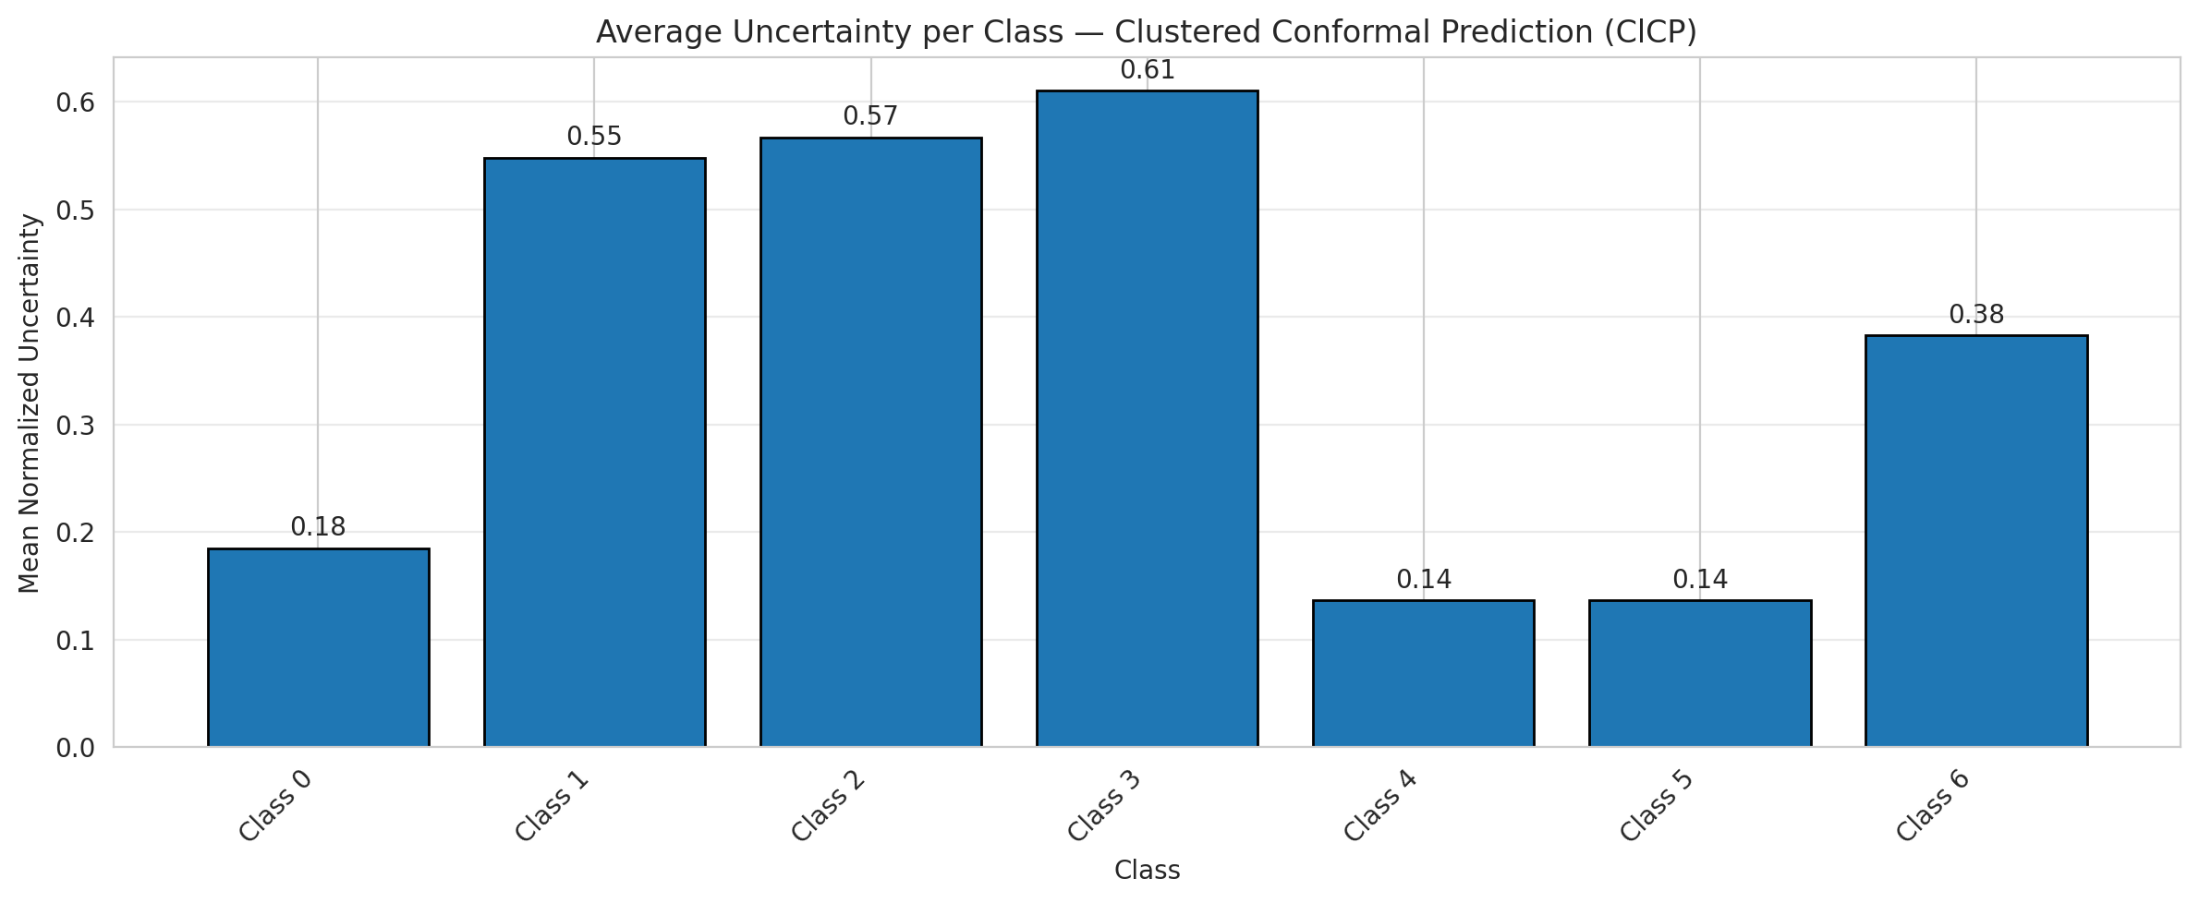
ClusteredConformal - DOFA_Spectral |  |  |  |  |  |  |  |  | Per-Class Coverage
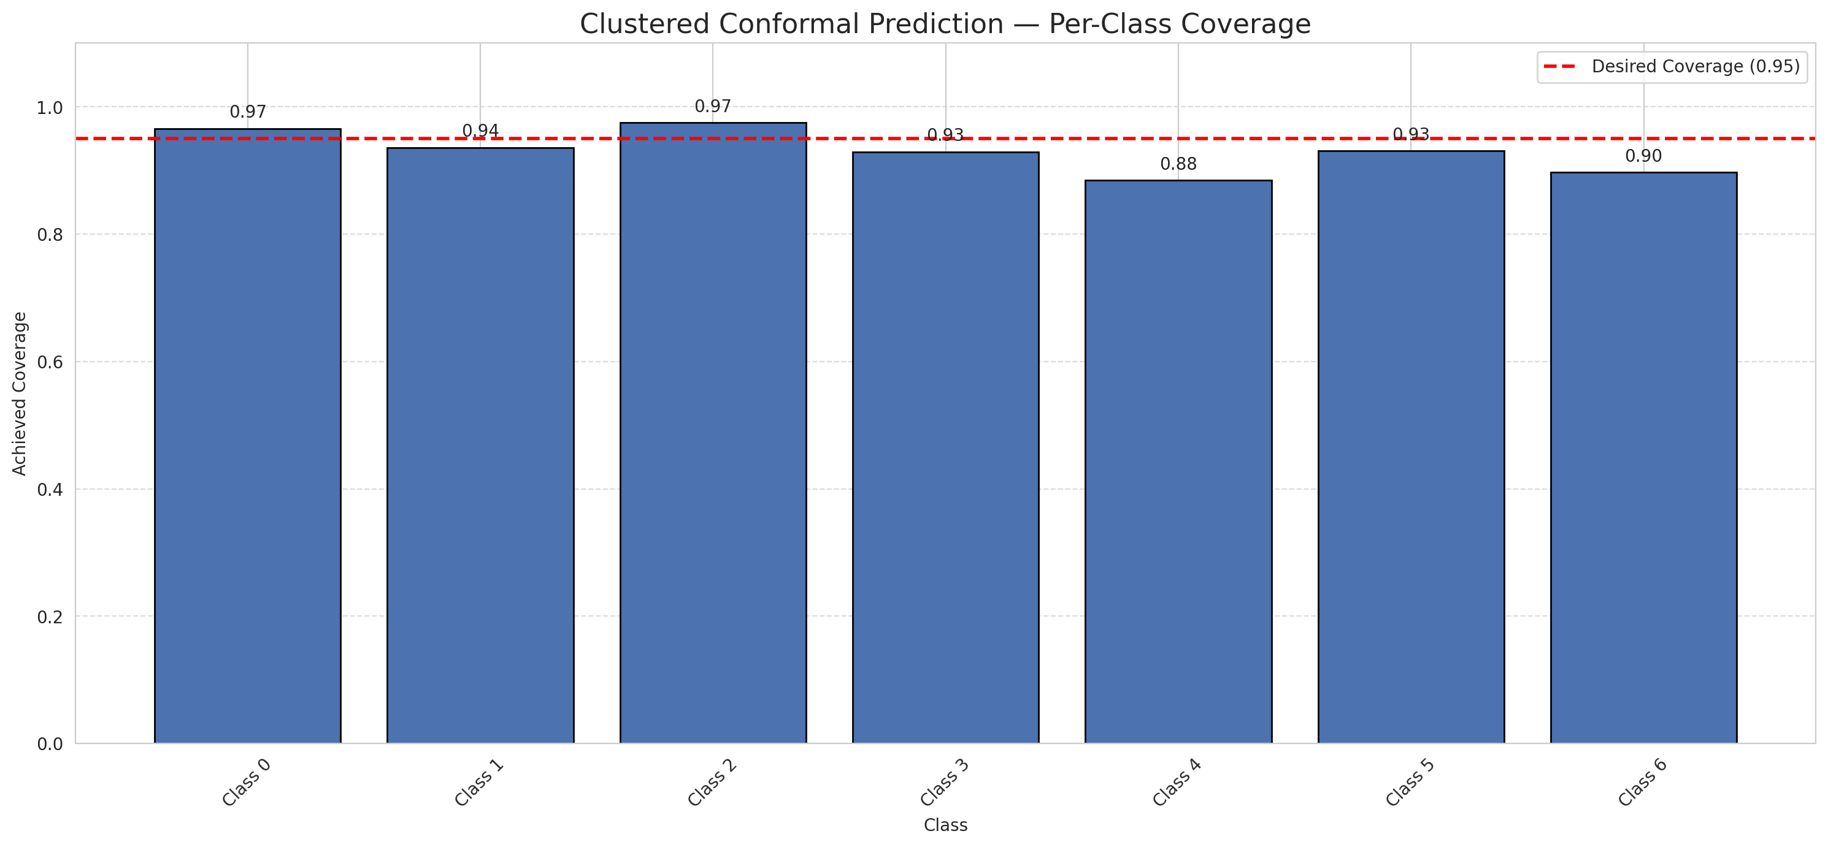
Summary
model_name | method | target_coverage | empirical_coverage | avg_set_size | median_set_size | singleton_rate | empty_set_rate | runtime_sec | alpha | lam | n_clusters | mean_per_class_coverage
DOFA_Spectral | ClusteredConformal | 0.95 | 0.95081206497 | 2.3921113689 | 2 | 0.25707656613 | 0 | 2.090471409 | 0.05 |  | 4 | 0.93127447016

Per-Class Coverage Values
class_id | class_coverage | support_count
0 | 0.96608315098 | 914
1 | 0.93612334802 | 454
2 | 0.9748603352 | 358
3 | 0.92948717949 | 156
4 | 0.88461538462 | 104
5 | 0.93069306931 | 101
6 | 0.89705882353 | 68

Class-to-Cluster Assignment
class_id | cluster_id
0 | 2
1 | 2
2 | 0
3 | 0
4 | 2 |  |  |  |  |  |  |  | Uncertainty Distribution
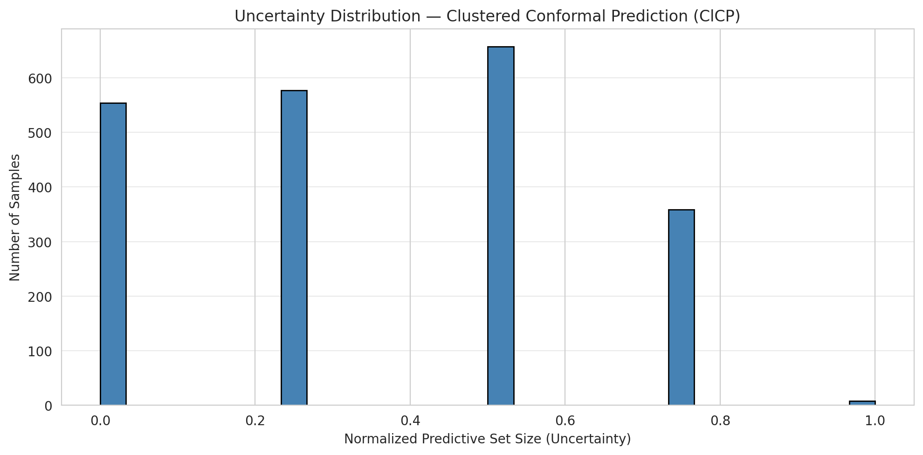
5 | 3
6 | 1

Cluster q_hat
cluster_id | q_hat_cluster
0 | 0.94381141622
1 | 0.86600192757
2 | 0.85006152934
3 | 0.96035136629

Cluster Mean Uncertainty
cluster | uncertainty
0 | 0.57294952681
1 | 0.38271604938
2 | 0.25144404332
3 | 0.13636363636

Class Mean Uncertainty
class_id | uncertainty
0 | 0.18496131528
1 | 0.54811320755 |  |  |  |  |  |  |  | Avg Uncertainty per Cluster
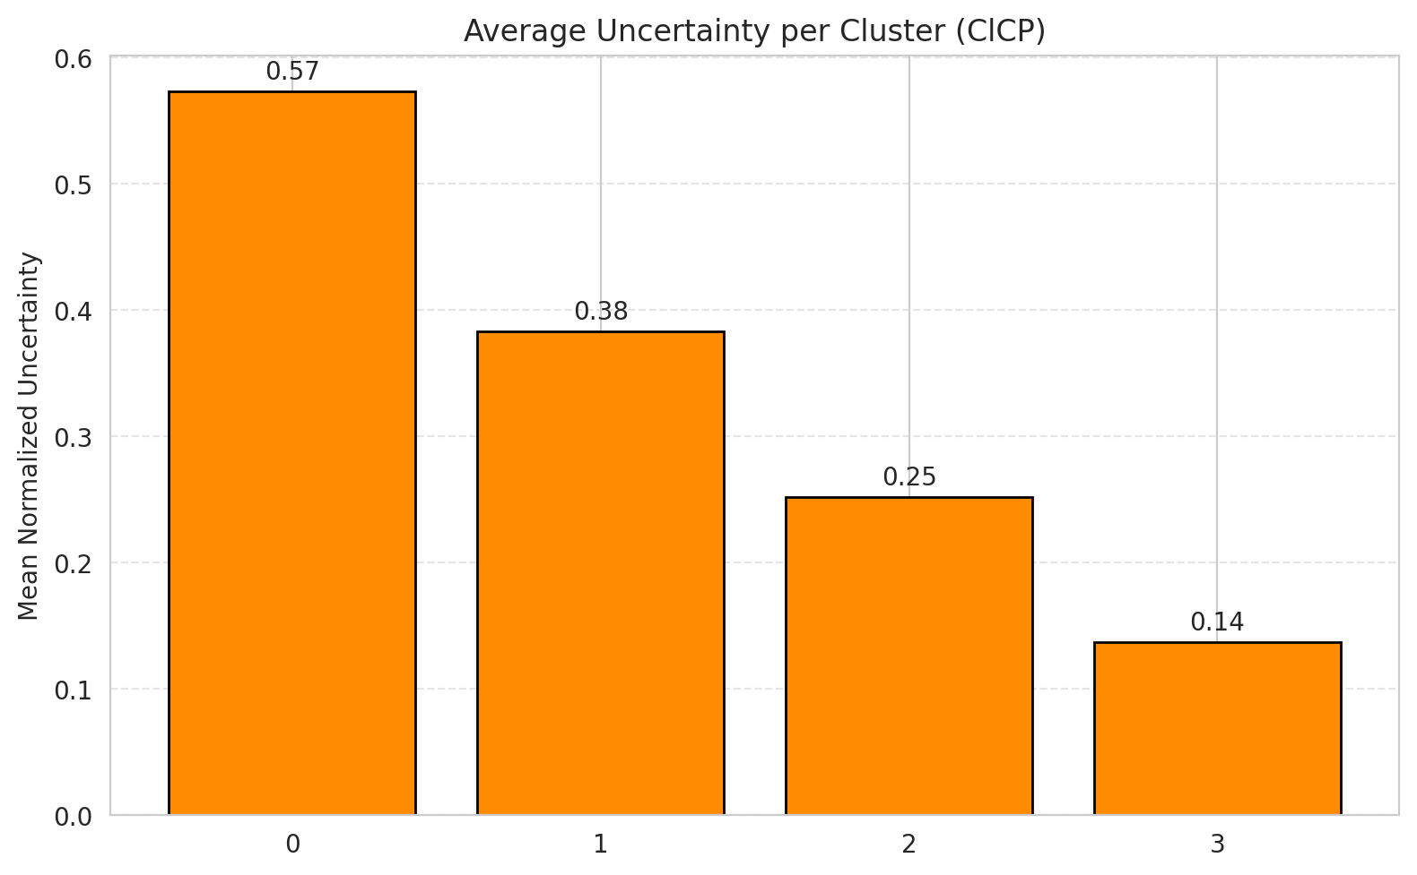
2 | 0.5670620438
3 | 0.61046511628
4 | 0.13662790698
5 | 0.13636363636
6 | 0.38271604938

 |  |  |  |  |  |  |  |  | Avg Uncertainty per Class

RAPS_DOFA_Spectral
RAPS - DOFA_Spectral |  |  |  |  |  |  |  |  | Per-Class Coverage
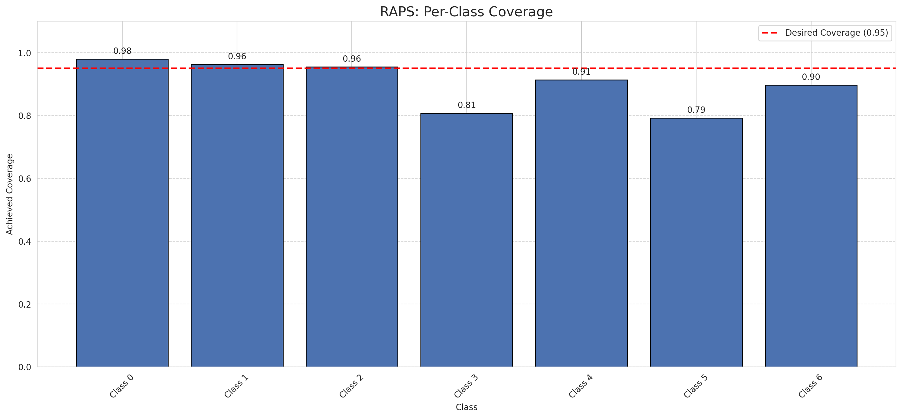
Summary
model_name | method | target_coverage | empirical_coverage | avg_set_size | median_set_size | singleton_rate | empty_set_rate | runtime_sec | alpha | lam | n_clusters | mean_per_class_coverage
DOFA_Spectral | RAPS | 0.95 | 0.94524361949 | 2.2018561485 | 2 | 0.25197215777 | 0 | 0.388235964 | 0.05 | 0.01 |  | 0.90120865028

Per-Class Coverage Values
class_id | class_coverage | support_count
0 | 0.98030634573 | 914
1 | 0.96255506608 | 454
2 | 0.95530726257 | 358
3 | 0.80769230769 | 156
4 | 0.91346153846 | 104
5 | 0.79207920792 | 101
6 | 0.89705882353 | 68

RAPS Parameters
q_hat_raps | lambda | k_reg
0.83437237797 | 0.01 | 1

Split_Hiera_ViT
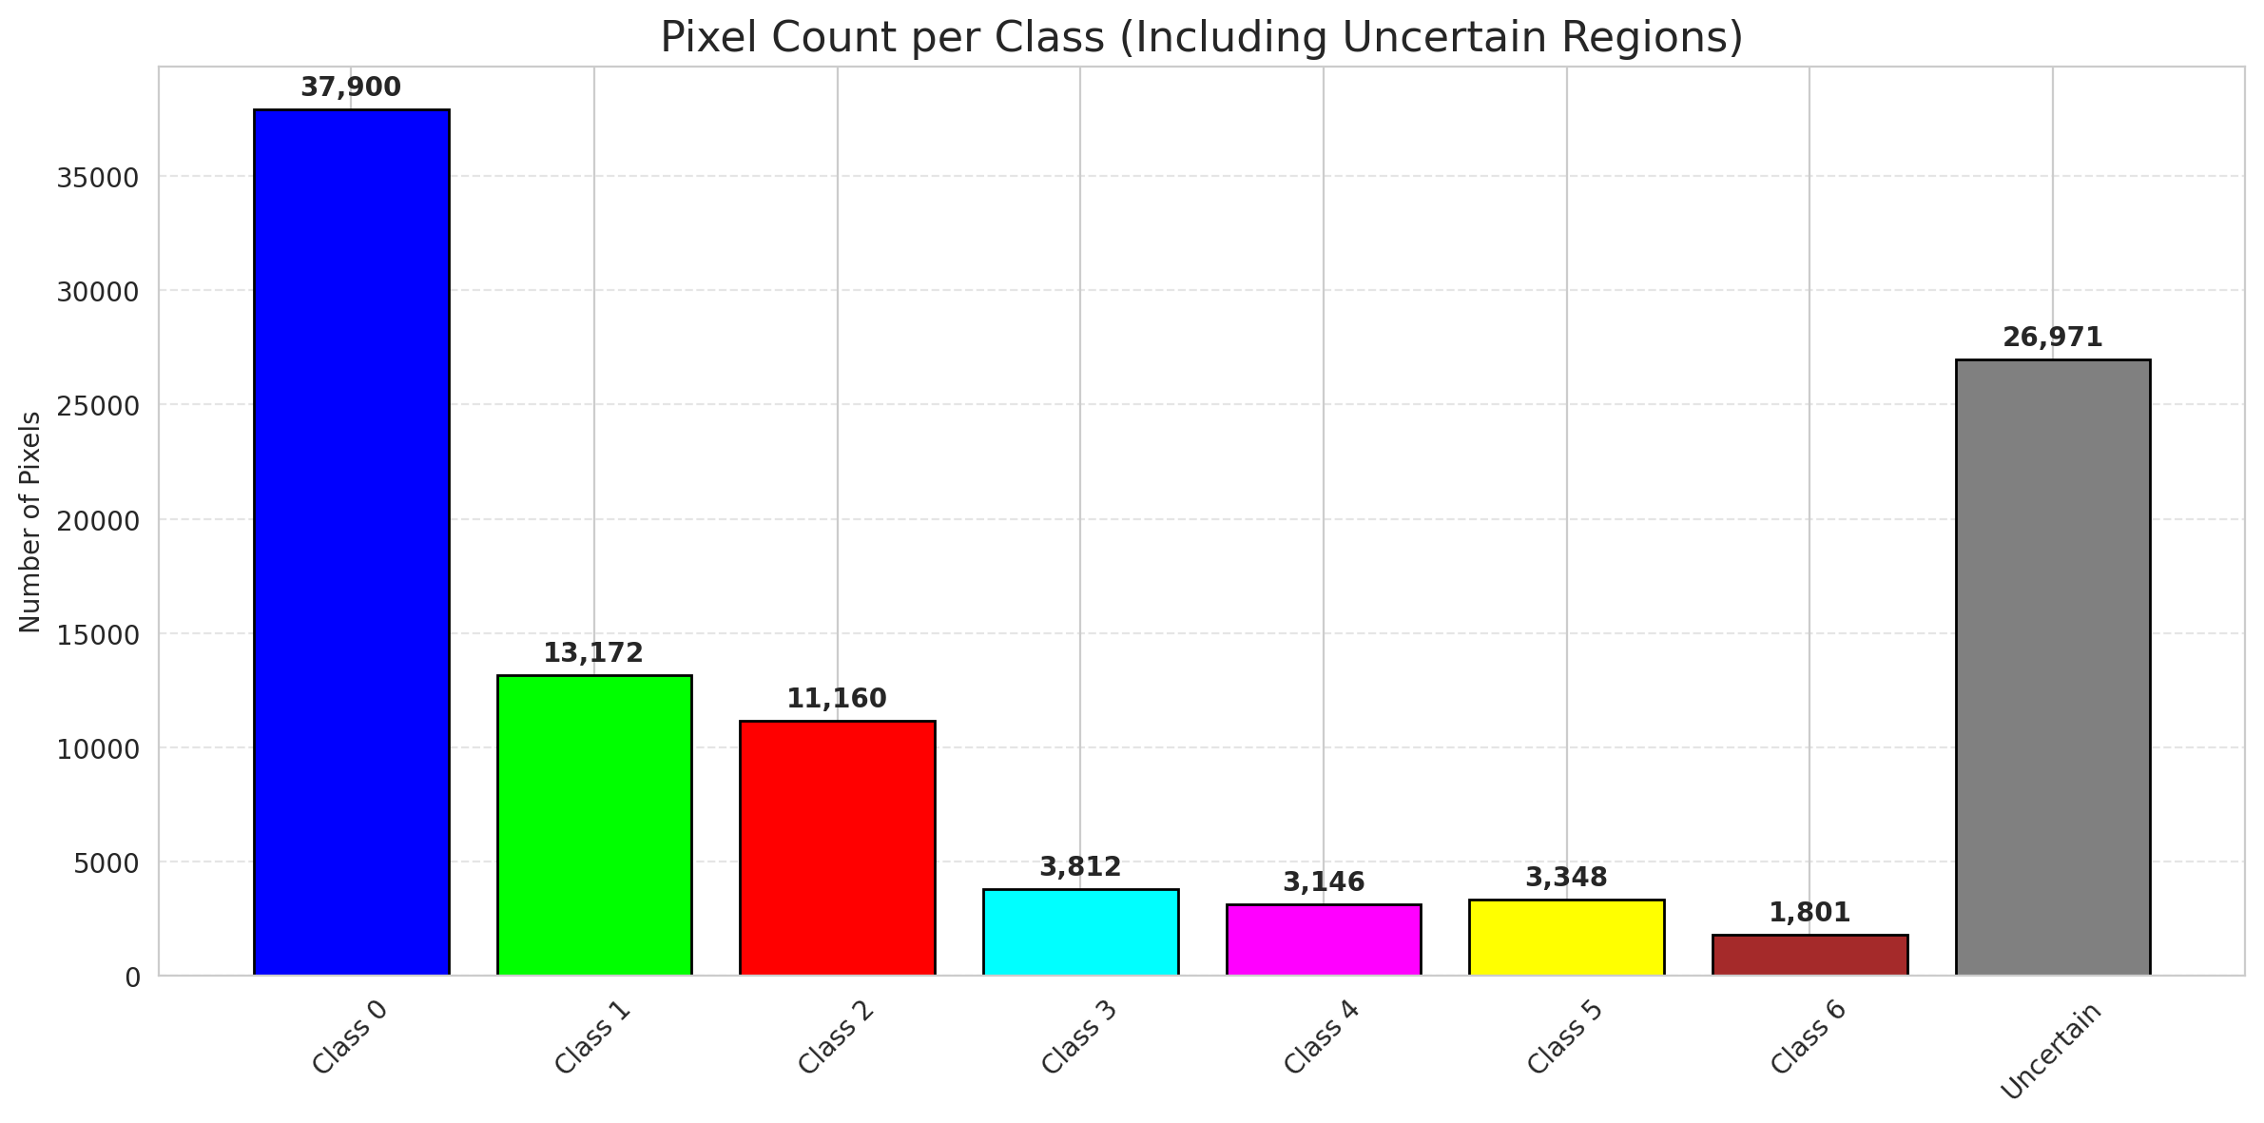
SplitConformal - Hiera_ViT |  |  |  |  |  |  |  |  | Per-Class Coverage
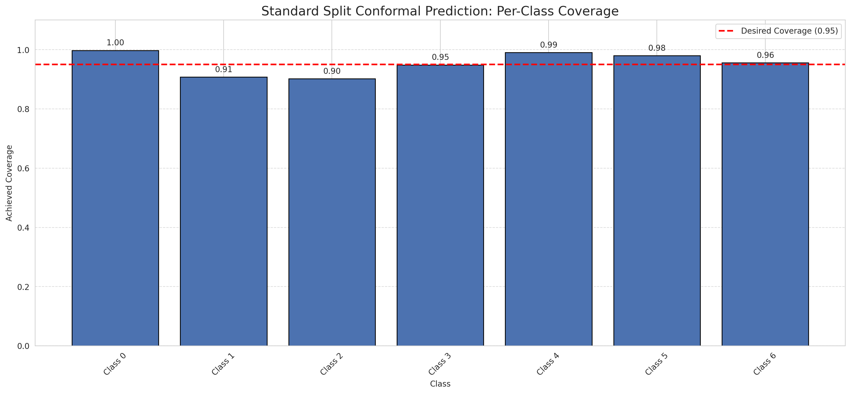
Summary
model_name | method | target_coverage | empirical_coverage | avg_set_size | median_set_size | singleton_rate | empty_set_rate | runtime_sec | alpha | lam | n_clusters | mean_per_class_coverage
Hiera_ViT | SplitConformal | 0.95 | 0.95684454756 | 0.95684454756 | 1 | 0.95684454756 | 0.043155452436 | 1.52648522 | 0.05 |  |  | 0.95467405381

Per-Class Coverage Values
class_id | class_coverage | support_count
0 | 0.99781181619 | 914
1 | 0.90748898678 | 454
2 | 0.90223463687 | 358
3 | 0.94871794872 | 156
4 | 0.99038461538 | 104
5 | 0.9801980198 | 101
6 | 0.95588235294 | 68

Pixel Counts
class_id | label | pixel_count
0 | Class 0 | 37900
1 | Class 1 | 13172
2 | Class 2 | 11160
3 | Class 3 | 3812
4 | Class 4 | 3146 |  |  |  |  |  |  | Certain vs Uncertain Map
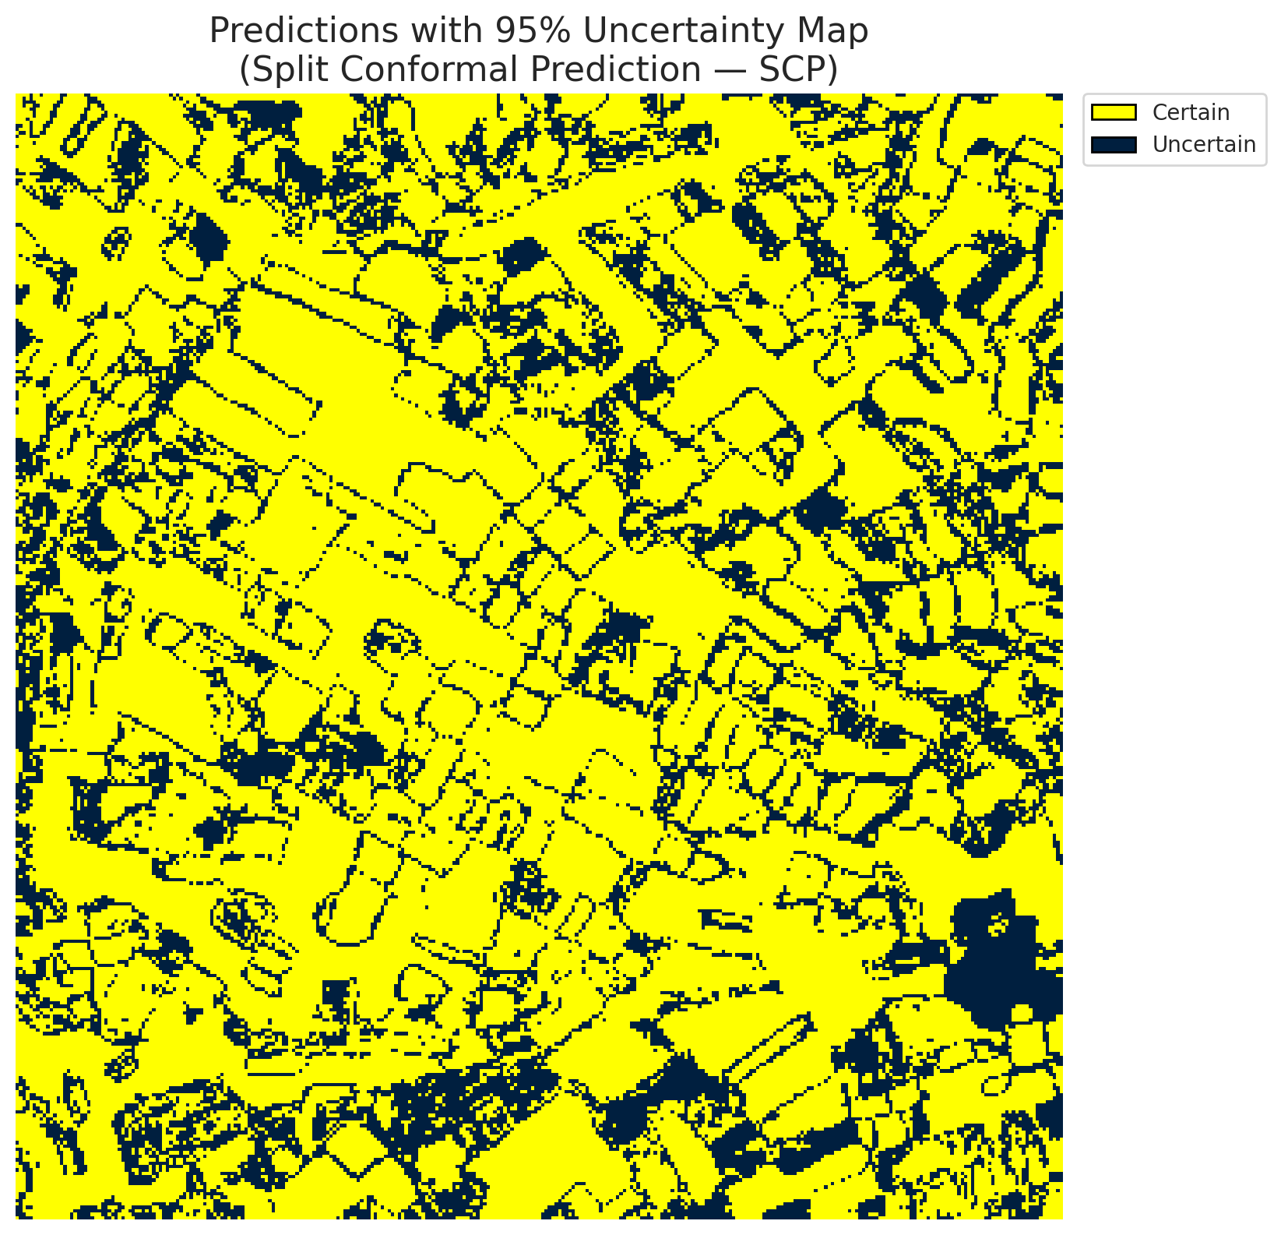
5 | Class 5 | 3348
6 | Class 6 | 1801
7 | Uncertain | 26971

Threshold
q_hat_split
0.039490811704

 |  |  |  |  |  |  |  |  | Class Map with Uncertain Mask
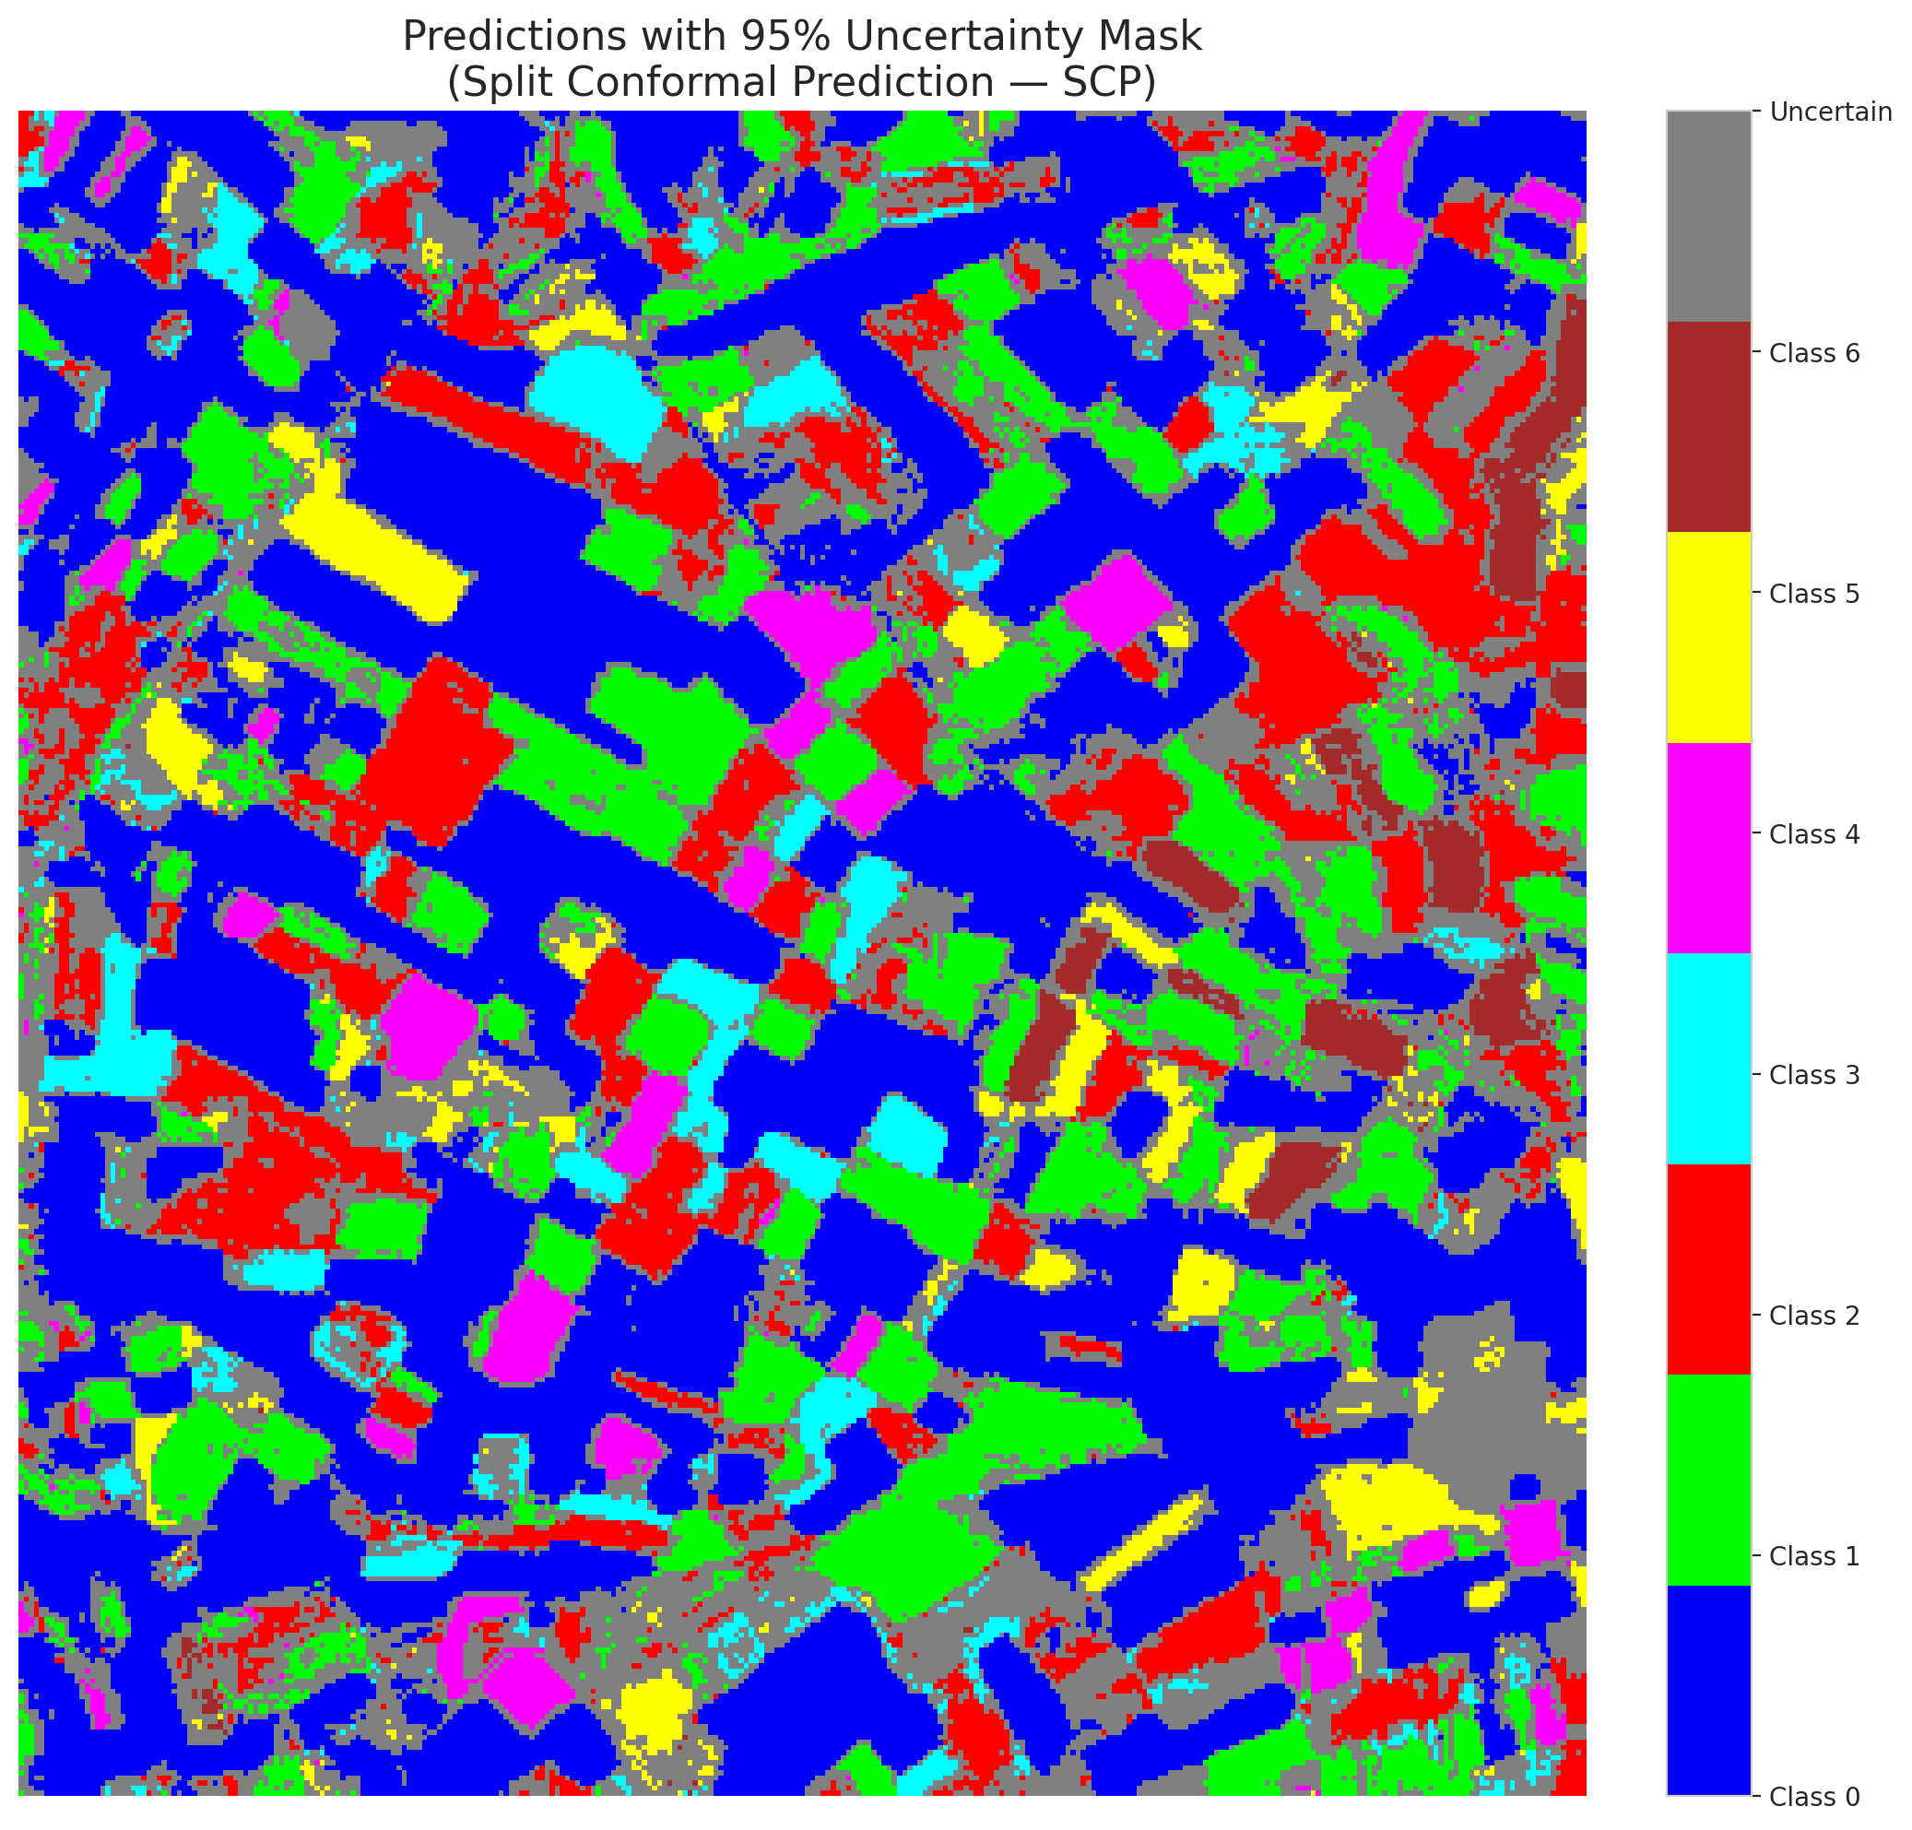

 |  |  |  |  |  |  |  |  | Pixel Counts

ClassCond_Hiera_ViT
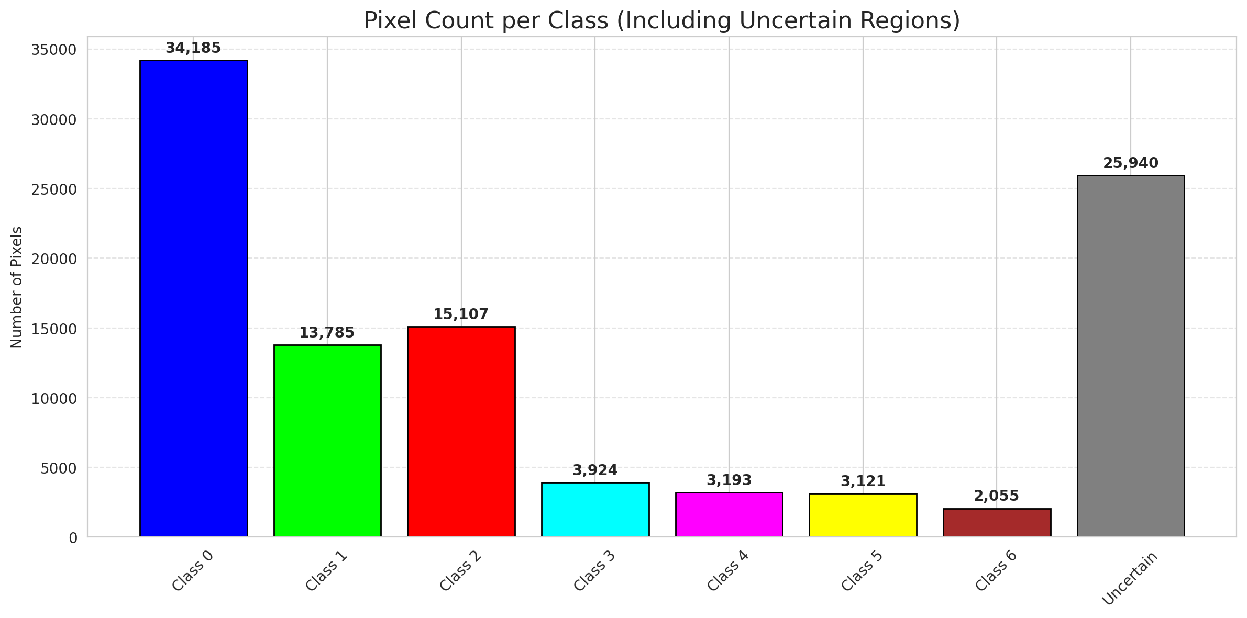
ClassConditionalConformal - Hiera_ViT |  |  |  |  |  |  |  |  | Per-Class Coverage
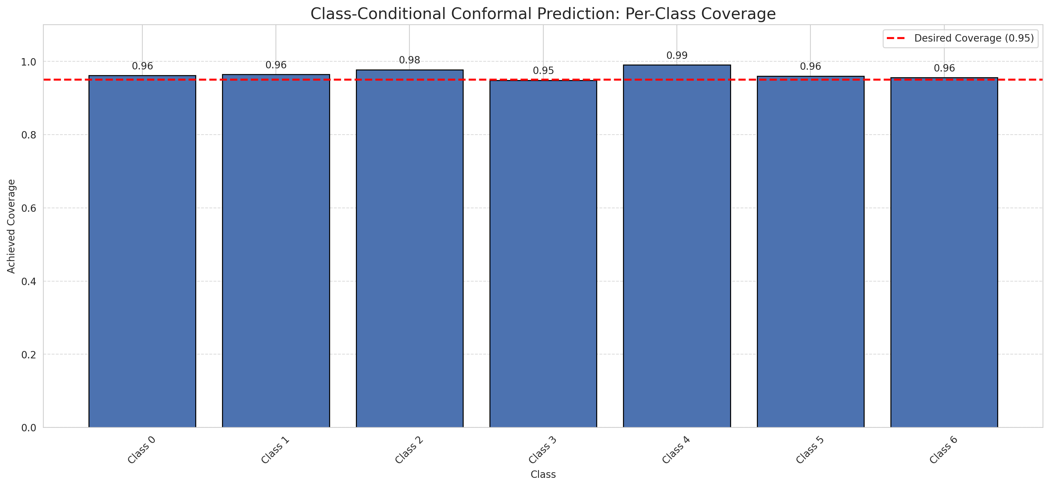
Summary
model_name | method | target_coverage | empirical_coverage | avg_set_size | median_set_size | singleton_rate | empty_set_rate | runtime_sec | alpha | lam | n_clusters | mean_per_class_coverage
Hiera_ViT | ClassConditionalConformal | 0.95 | 0.96519721578 | 0.9656612529 | 1 | 0.9656612529 | 0.0343387471 | 1.469506139 | 0.05 |  |  | 0.96564272579

Per-Class Coverage Values
class_id | class_coverage | support_count
0 | 0.96170678337 | 914
1 | 0.96475770925 | 454
2 | 0.97765363128 | 358
3 | 0.94871794872 | 156
4 | 0.99038461538 | 104
5 | 0.9603960396 | 101
6 | 0.95588235294 | 68

Pixel Counts
class_id | label | pixel_count
0 | Class 0 | 34185
1 | Class 1 | 13785
2 | Class 2 | 15107
3 | Class 3 | 3924
4 | Class 4 | 3193 |  |  |  |  |  |  | Certain vs Uncertain Map
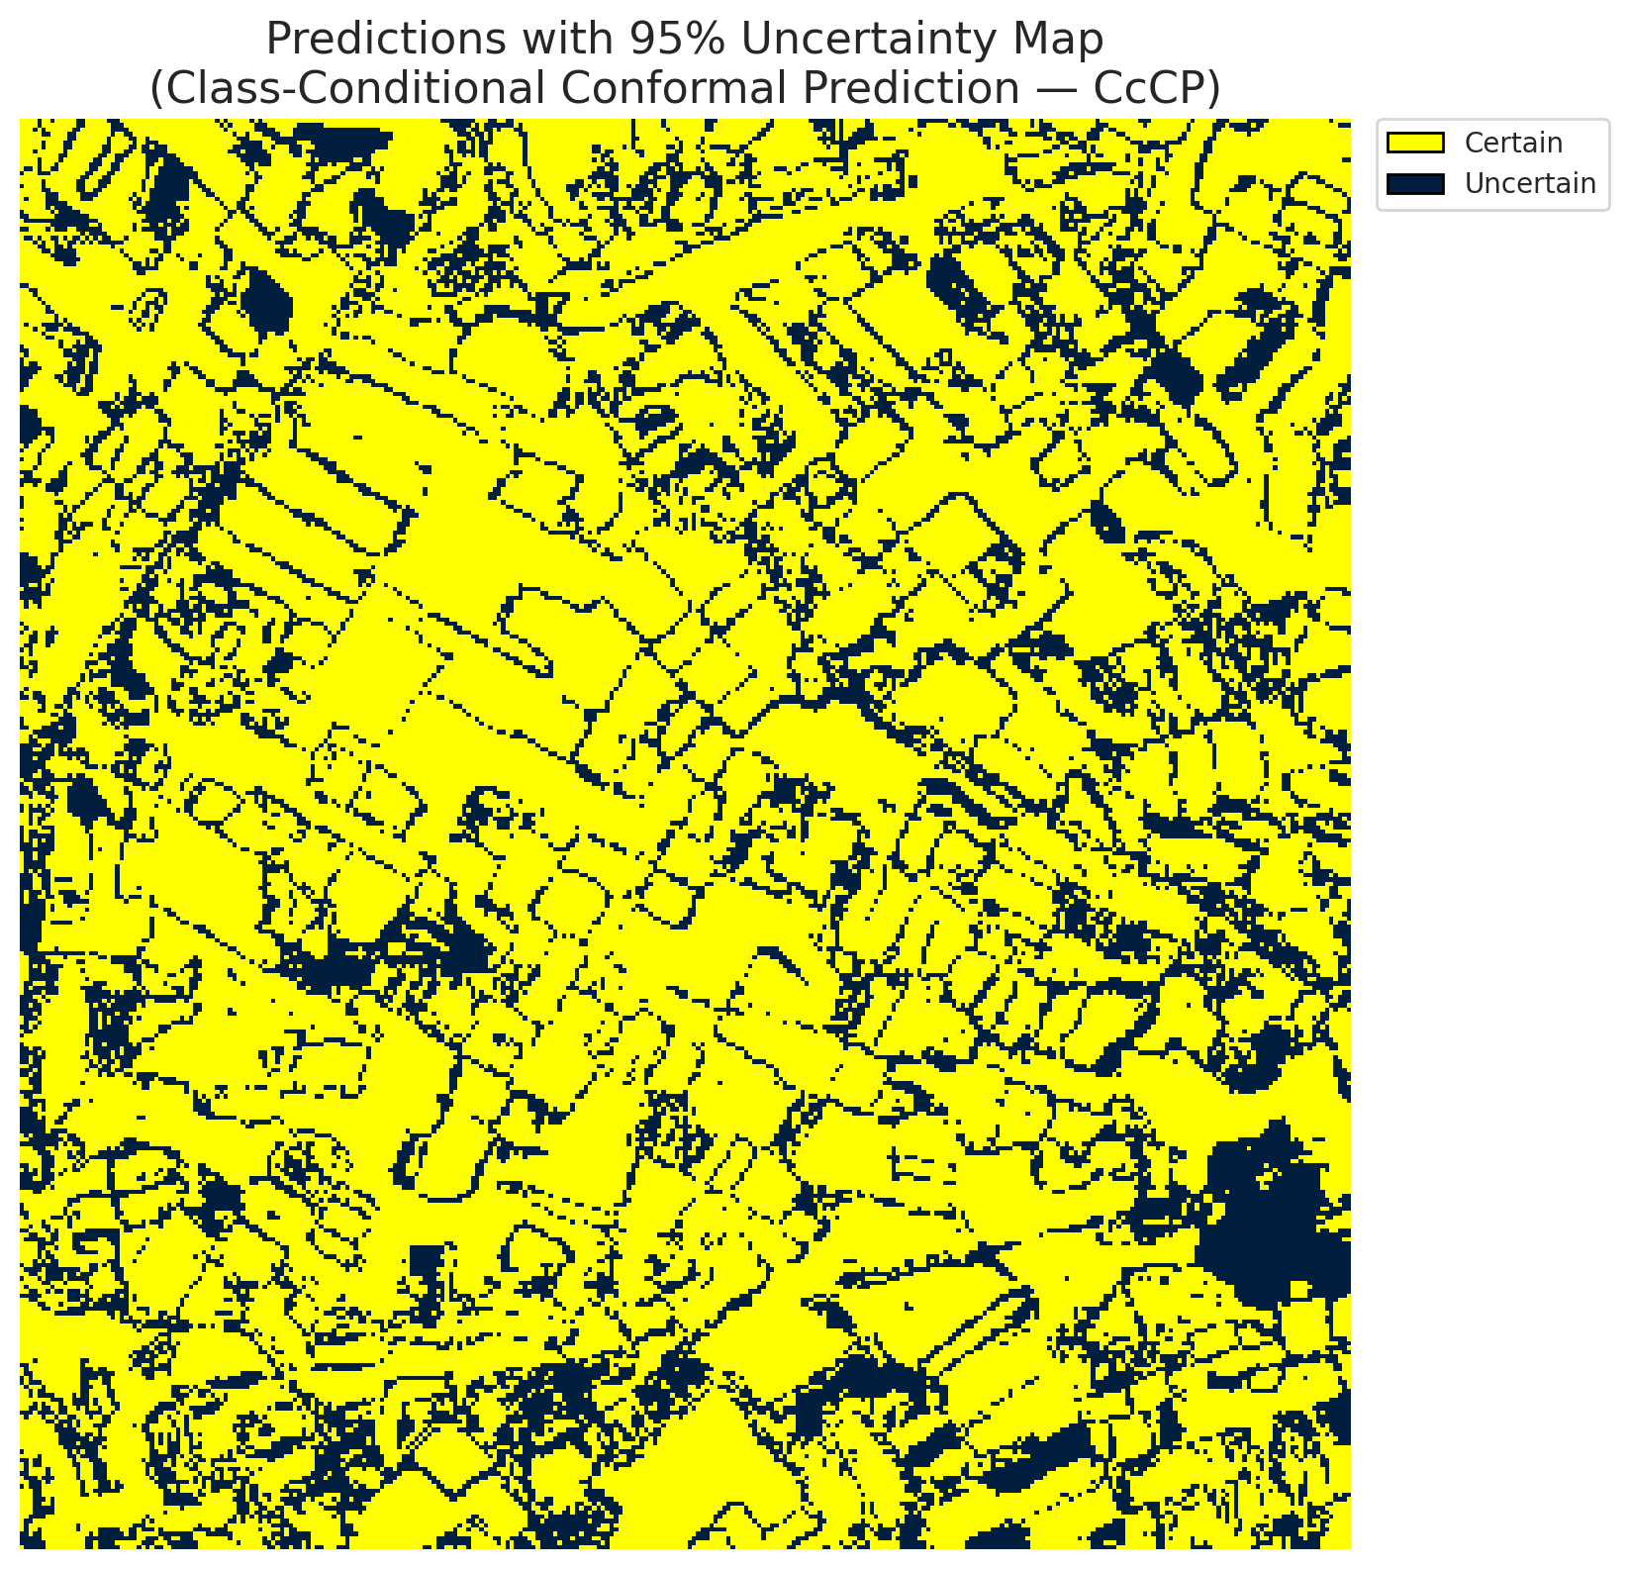
5 | Class 5 | 3121
6 | Class 6 | 2055
7 | Uncertain | 25940

Classwise q_hat
class_id | q_hat_classconditional
0 | 0.036893990679
1 | 0.040201866473
2 | 0.062299901094
3 | 0.041230481882
4 | 0.041097836544
5 | 0.036745985613
6 | 0.06081736013

 |  |  |  |  |  |  |  |  | Class Map with Uncertain Mask
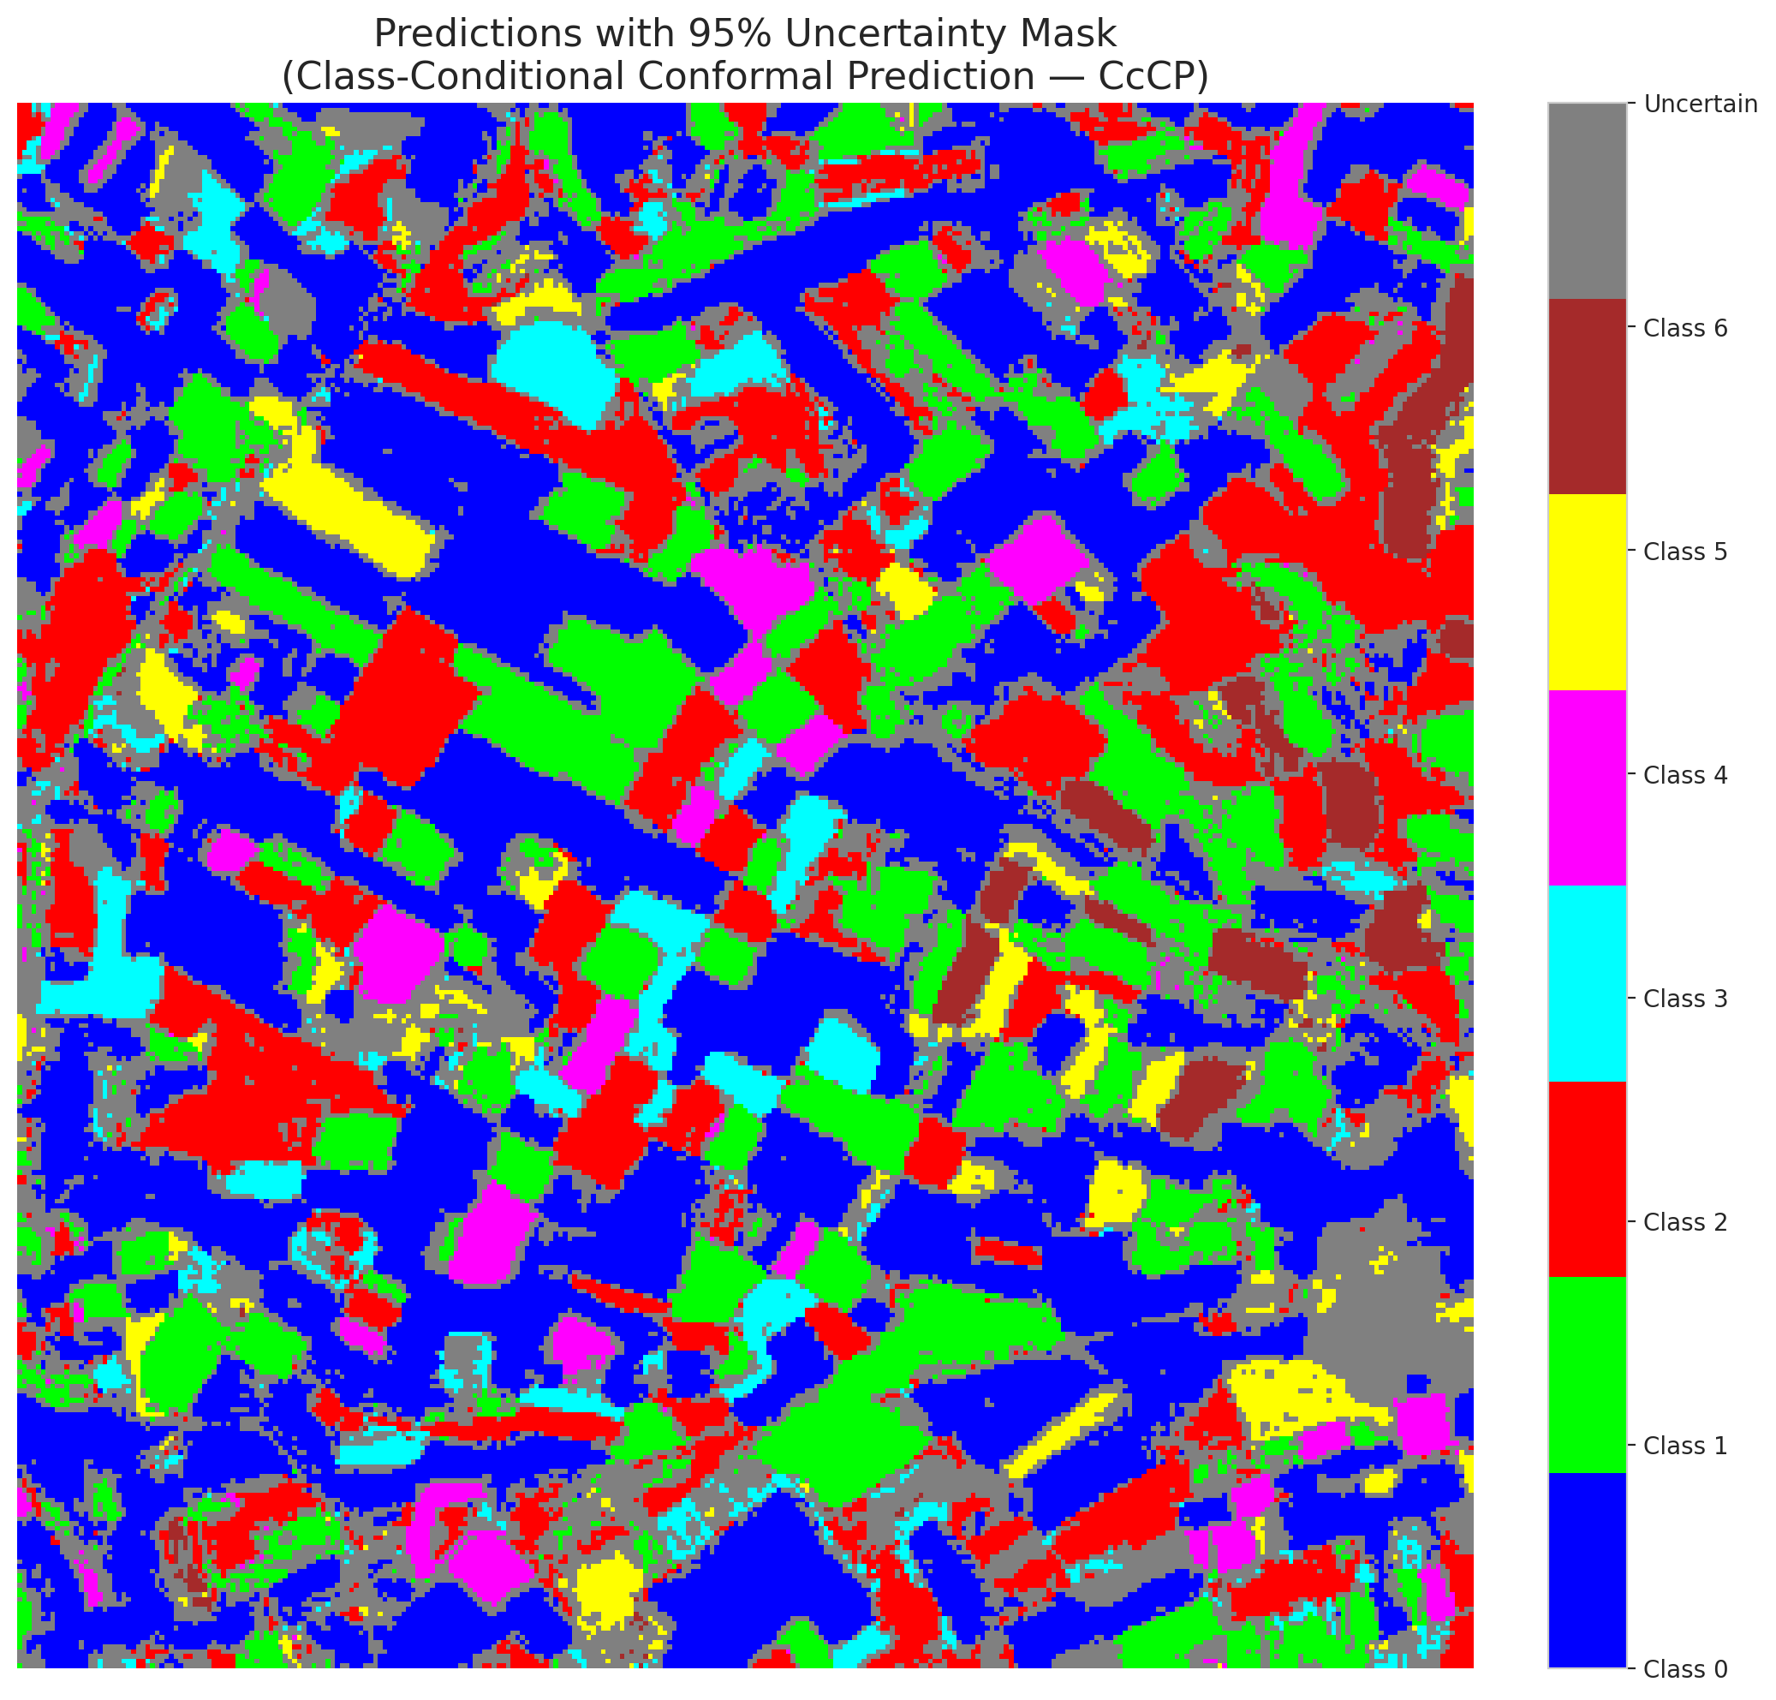

 |  |  |  |  |  |  |  |  | Pixel Counts

RC3P_Hiera_ViT

RC3P - Hiera_ViT |  |  |  |  |  |  |  |  | Per-Class Coverage
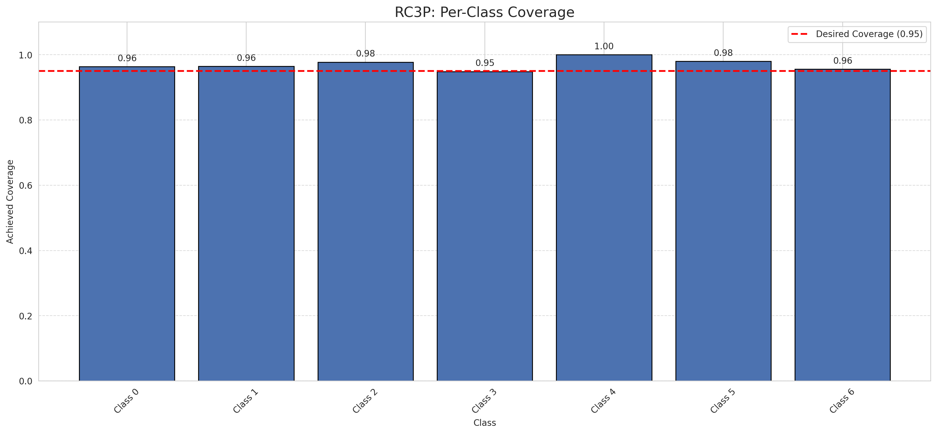
Summary
model_name | method | target_coverage | empirical_coverage | avg_set_size | median_set_size | singleton_rate | empty_set_rate | runtime_sec | alpha | lam | n_clusters | mean_per_class_coverage
Hiera_ViT | RC3P | 0.95 | 0.96751740139 | 0.96798143852 | 1 | 0.96798143852 | 0.032018561485 | 1.990267986 | 0.05 |  |  | 0.97015780417

Per-Class Coverage Values
class_id | class_coverage | support_count
0 | 0.96389496718 | 914
1 | 0.96475770925 | 454
2 | 0.97765363128 | 358
3 | 0.94871794872 | 156
4 | 1 | 104
5 | 0.9801980198 | 101
6 | 0.95588235294 | 68

Pixel Counts
class_id | label | pixel_count
0 | Class 0 | 34556
1 | Class 1 | 13814
2 | Class 2 | 15163
3 | Class 3 | 4263
4 | Class 4 | 3649 |  |  |  |  |  |  | Certain vs Uncertain Map

5 | Class 5 | 3359
6 | Class 6 | 2055
7 | Uncertain | 24451

RC3P Thresholds & Limits
class_id | q_hat_rc3p | suit_index_limit
0 | 0.036991357841 | 1
1 | 0.040237794382 | 1
2 | 0.063288867474 | 1
3 | 0.049218568741 | 1
4 | 0.08720473055 | 1
5 | 0.0396567631 | 1
6 | 0.06081736013 | 1

 |  |  |  |  |  |  |  |  | Class Map with Uncertain Mask
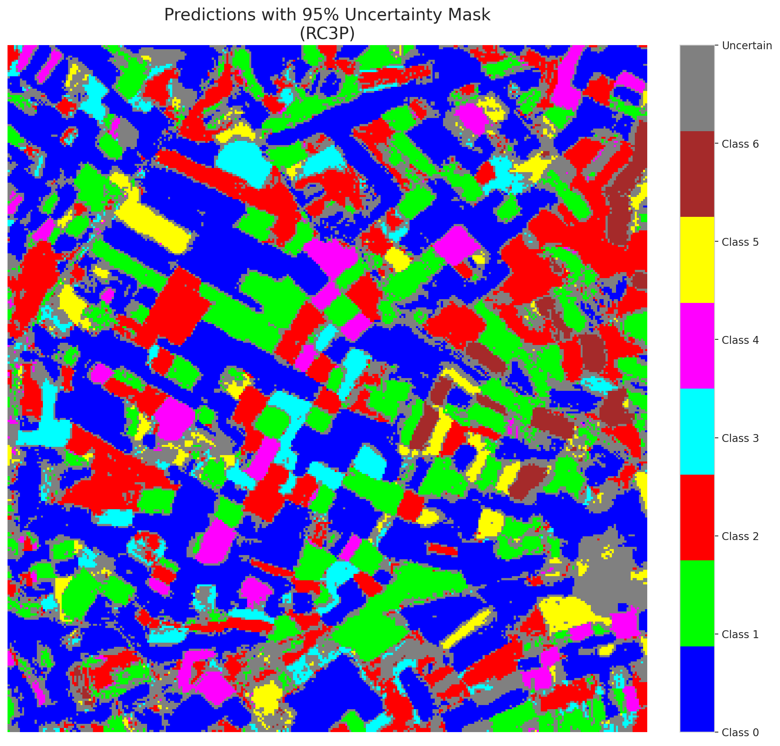

 |  |  |  |  |  |  |  |  | Pixel Counts

Clustered_Hiera_ViT
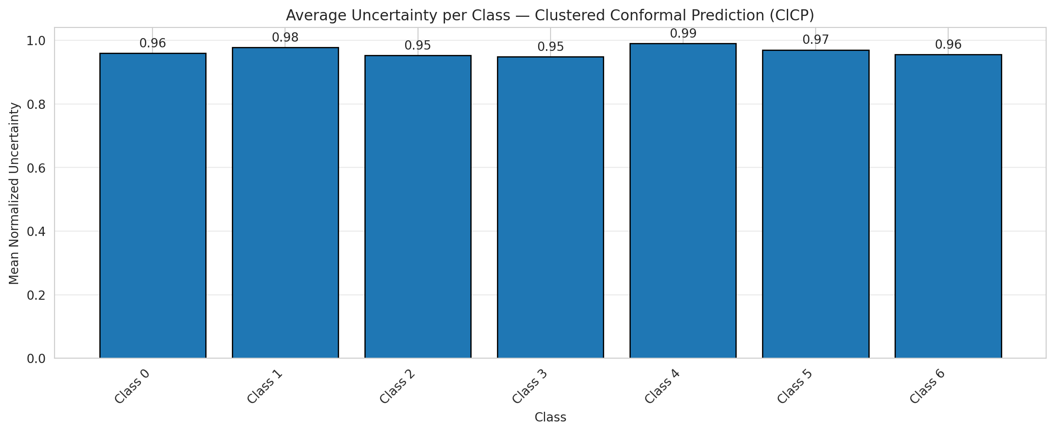
ClusteredConformal - Hiera_ViT |  |  |  |  |  |  |  |  | Per-Class Coverage
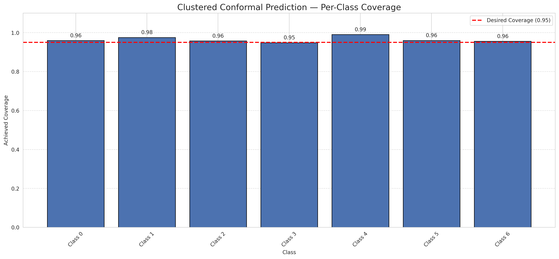
Summary
model_name | method | target_coverage | empirical_coverage | avg_set_size | median_set_size | singleton_rate | empty_set_rate | runtime_sec | alpha | lam | n_clusters | mean_per_class_coverage
Hiera_ViT | ClusteredConformal | 0.95 | 0.96334106729 | 0.96334106729 | 1 | 0.96334106729 | 0.036658932715 | 6.484488912 | 0.05 |  | 4 | 0.96411014857

Per-Class Coverage Values
class_id | class_coverage | support_count
0 | 0.95951859956 | 914
1 | 0.97577092511 | 454
2 | 0.95810055866 | 358
3 | 0.94871794872 | 156
4 | 0.99038461538 | 104
5 | 0.9603960396 | 101
6 | 0.95588235294 | 68

Class-to-Cluster Assignment
class_id | cluster_id
0 | 2
1 | 0
2 | 0
3 | 0
4 | 2 |  |  |  |  |  |  |  | Uncertainty Distribution
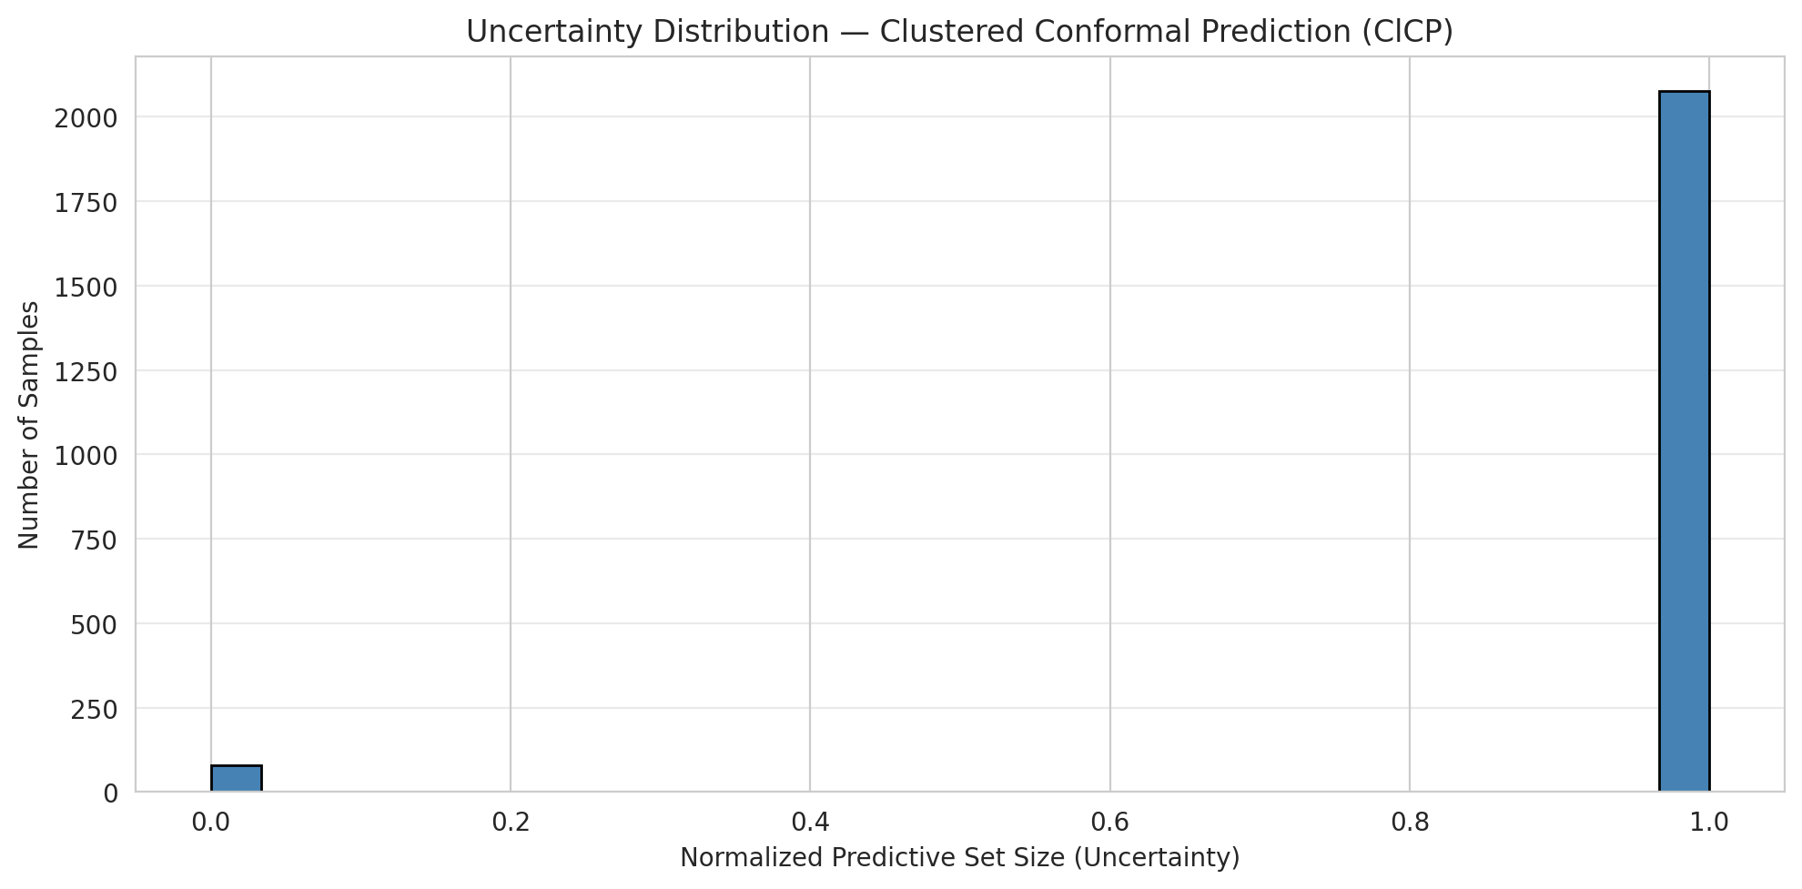
5 | 3
6 | 1

Cluster q_hat
cluster_id | q_hat_cluster
0 | 0.043396055167
1 | 0.06081736013
2 | 0.036874186284
3 | 0.036745985613

Cluster Mean Uncertainty
cluster | uncertainty
0 | 0.96388028896
1 | 0.95588235294
2 | 0.9626719057
3 | 0.97

Class Mean Uncertainty
class_id | uncertainty
0 | 0.95951859956
1 | 0.97792494481 |  |  |  |  |  |  |  | Avg Uncertainty per Cluster
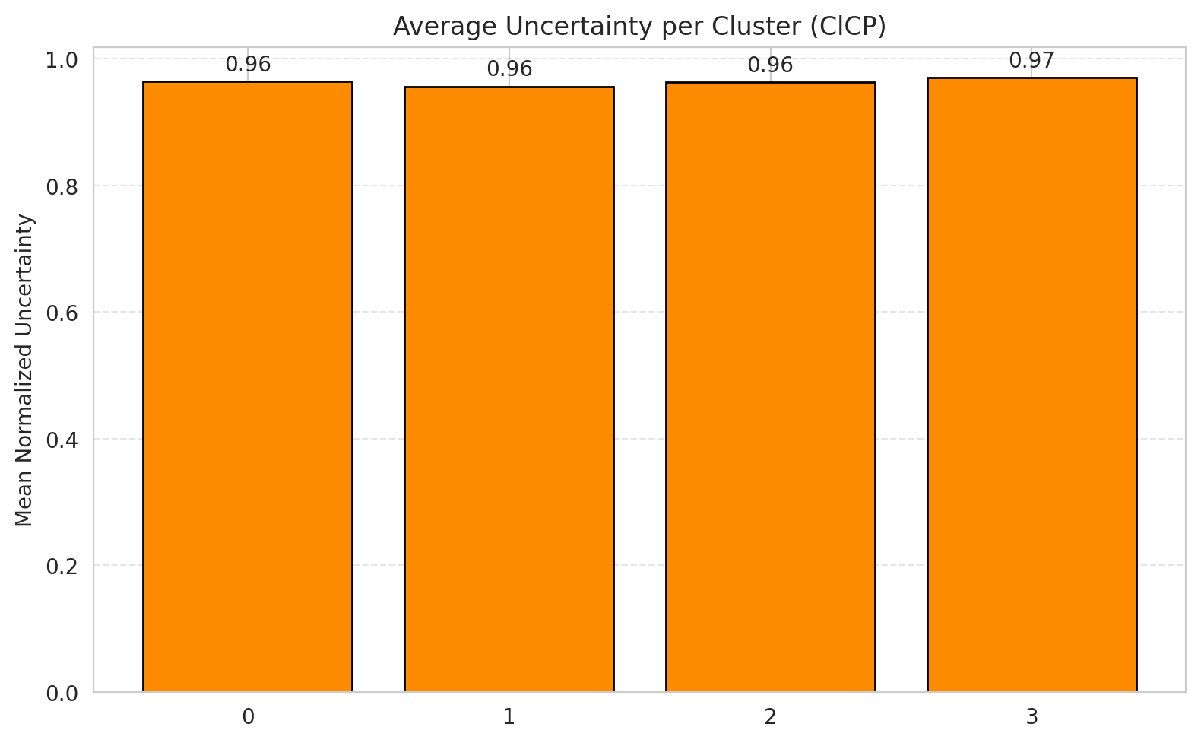
2 | 0.95277777778
3 | 0.94871794872
4 | 0.99038461538
5 | 0.97
6 | 0.95588235294

 |  |  |  |  |  |  |  |  | Avg Uncertainty per Class

RAPS_Hiera_ViT
RAPS - Hiera_ViT |  |  |  |  |  |  |  |  | Per-Class Coverage
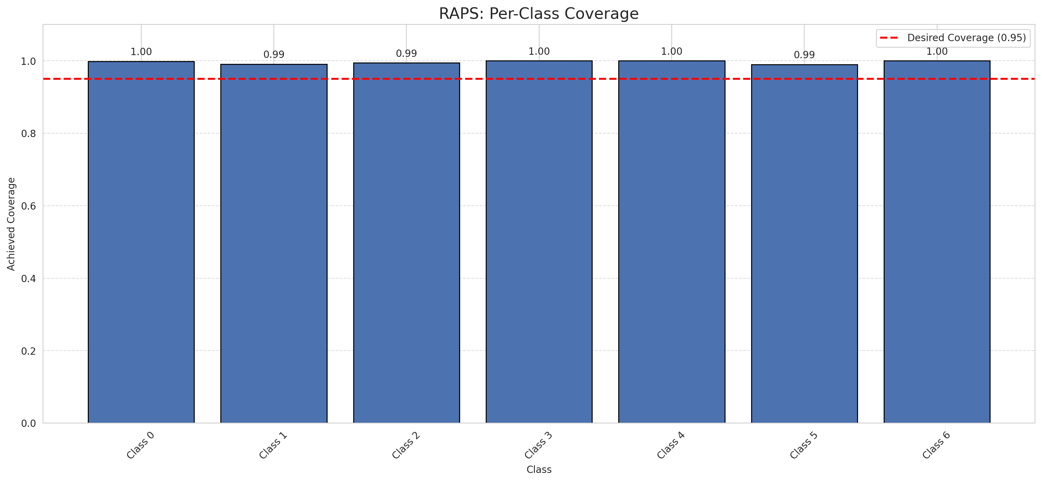
Summary
model_name | method | target_coverage | empirical_coverage | avg_set_size | median_set_size | singleton_rate | empty_set_rate | runtime_sec | alpha | lam | n_clusters | mean_per_class_coverage
Hiera_ViT | RAPS | 0.95 | 0.99628770302 | 1 | 1 | 1 | 0 | 0.395772468 | 0.05 | 0.01 |  | 0.99637253616

Per-Class Coverage Values
class_id | class_coverage | support_count
0 | 0.9989059081 | 914
1 | 0.99118942731 | 454
2 | 0.99441340782 | 358
3 | 1 | 156
4 | 1 | 104
5 | 0.9900990099 | 101
6 | 1 | 68

RAPS Parameters
q_hat_raps | lambda | k_reg
0 | 0.01 | 1

Split_DOFA_Hiera_Fusion
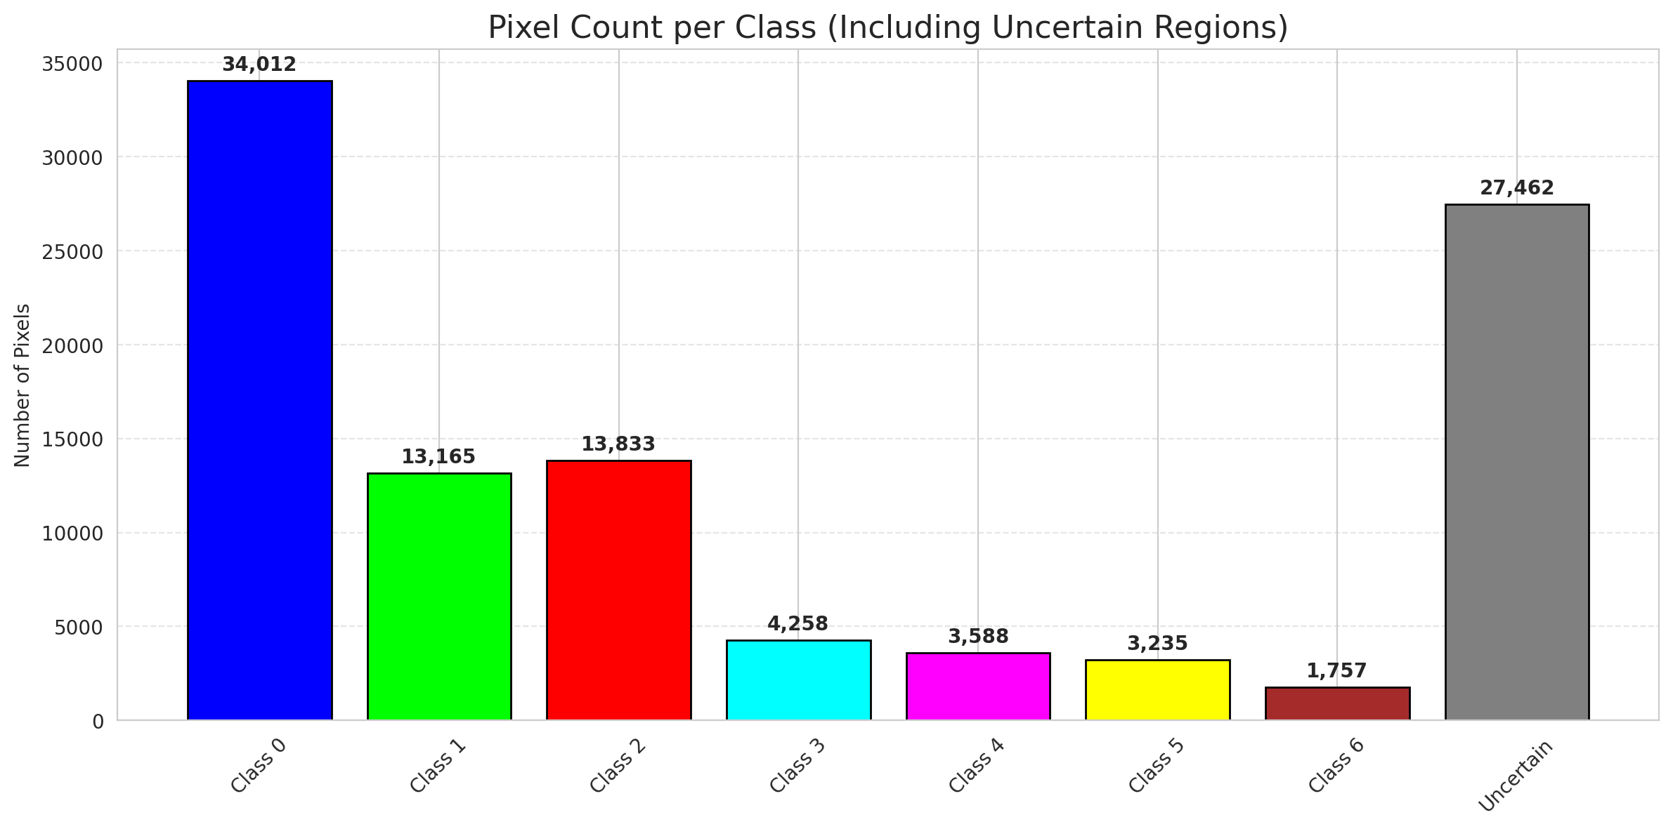
SplitConformal - DOFA_Hiera_Fusion |  |  |  |  |  |  |  |  | Per-Class Coverage
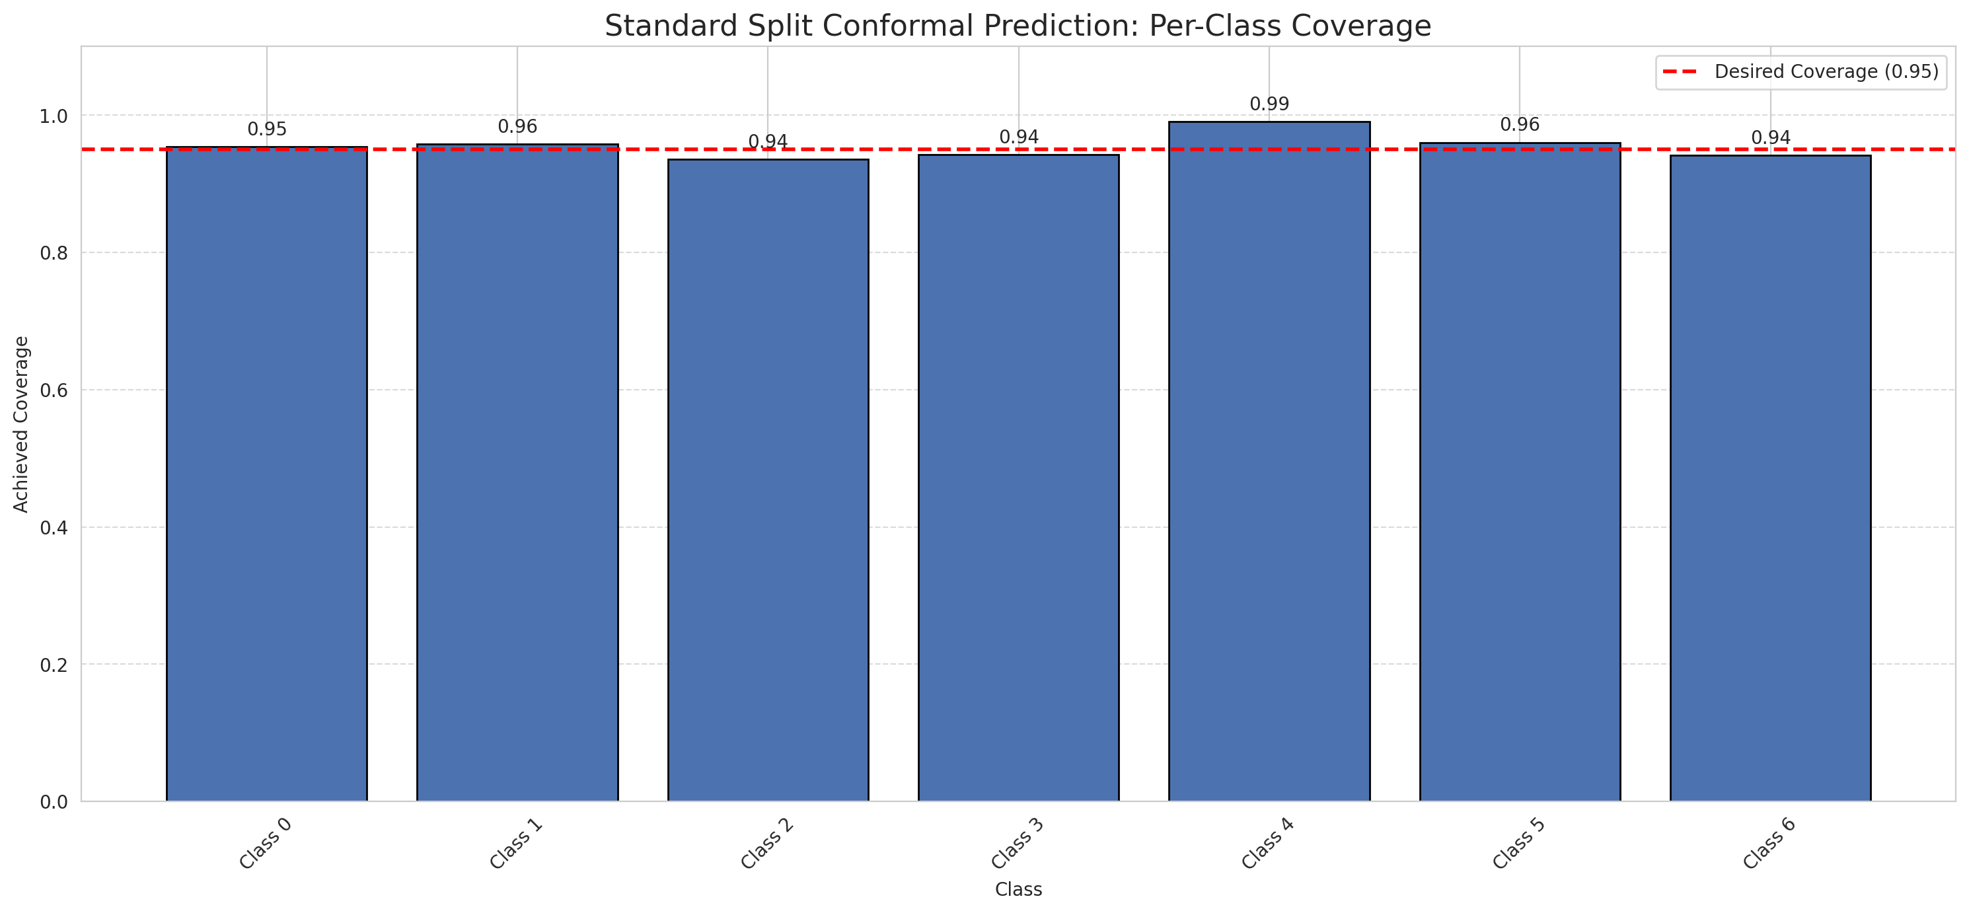
Summary
model_name | method | target_coverage | empirical_coverage | avg_set_size | median_set_size | singleton_rate | empty_set_rate | runtime_sec | alpha | lam | n_clusters | mean_per_class_coverage
DOFA_Hiera_Fusion | SplitConformal | 0.95 | 0.95266821346 | 0.95266821346 | 1 | 0.95266821346 | 0.047331786543 | 1.542094702 | 0.05 |  |  | 0.95460241823

Per-Class Coverage Values
class_id | class_coverage | support_count
0 | 0.95404814004 | 914
1 | 0.95814977974 | 454
2 | 0.93575418994 | 358
3 | 0.94230769231 | 156
4 | 0.99038461538 | 104
5 | 0.9603960396 | 101
6 | 0.94117647059 | 68

Pixel Counts
class_id | label | pixel_count
0 | Class 0 | 34012
1 | Class 1 | 13165
2 | Class 2 | 13833
3 | Class 3 | 4258
4 | Class 4 | 3588 |  |  |  |  |  |  | Certain vs Uncertain Map
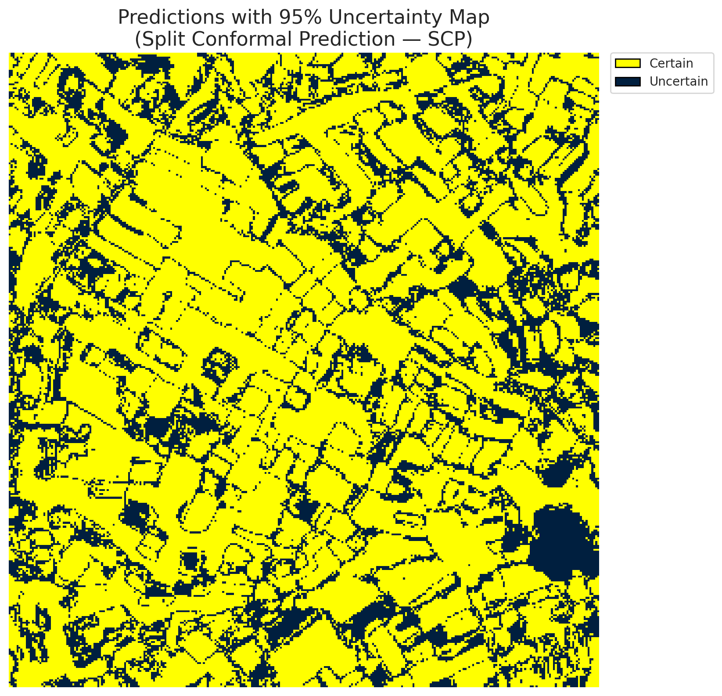
5 | Class 5 | 3235
6 | Class 6 | 1757
7 | Uncertain | 27462

Threshold
q_hat_split
0.029595835179

 |  |  |  |  |  |  |  |  | Class Map with Uncertain Mask
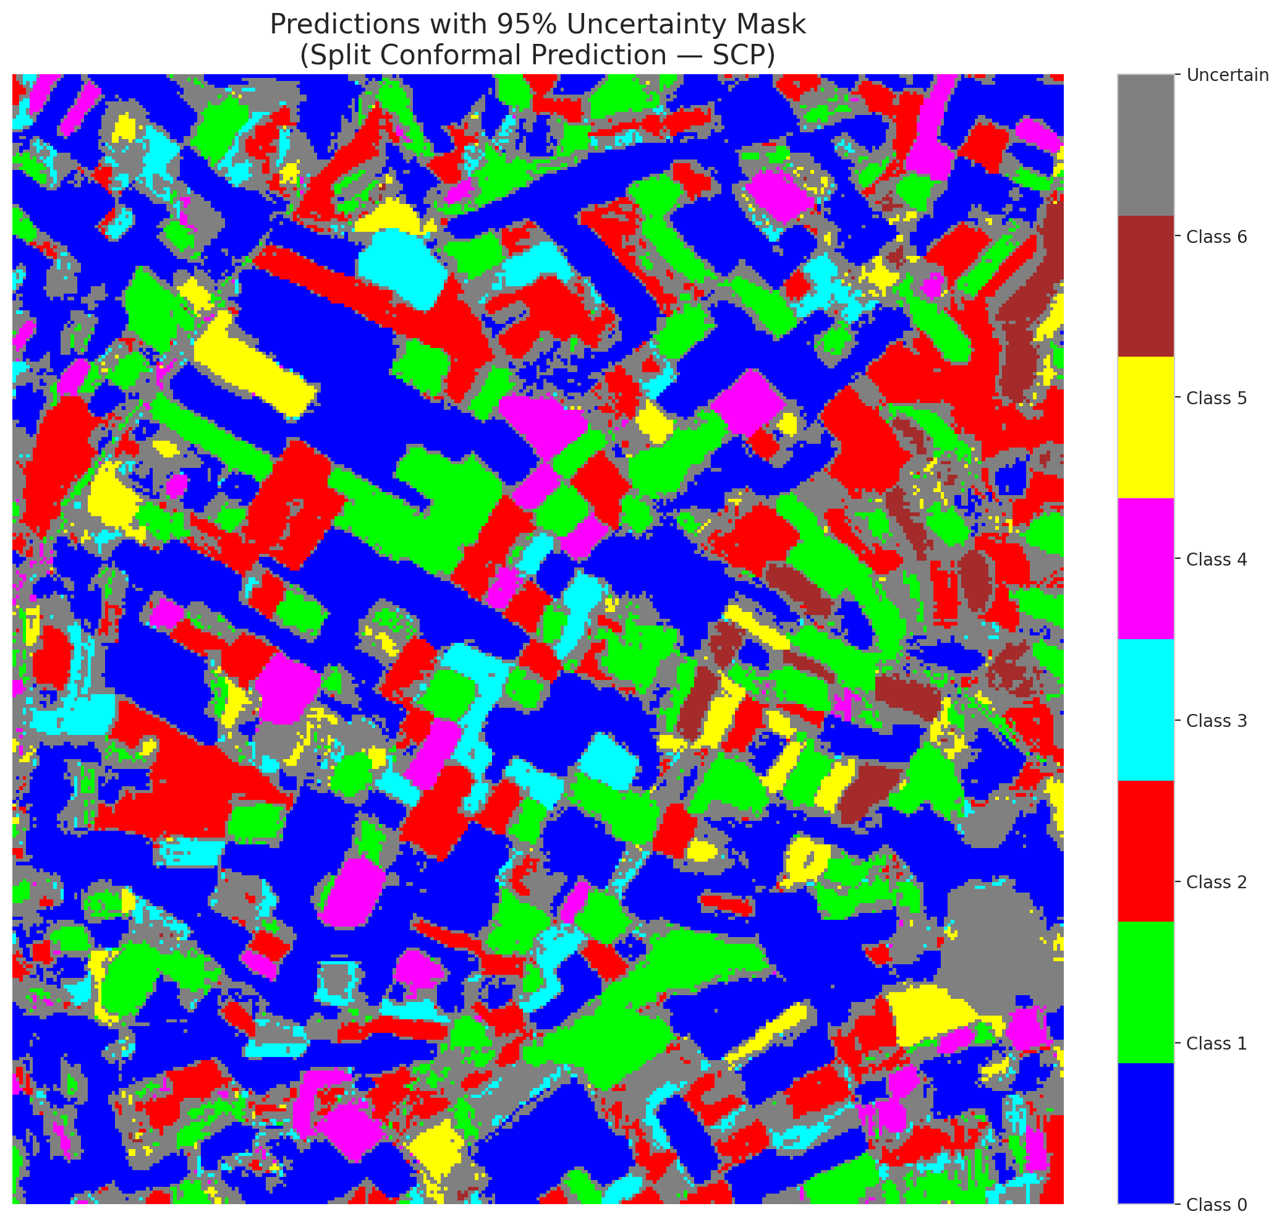

 |  |  |  |  |  |  |  |  | Pixel Counts

ClassCond_DOFA_Hiera_Fusion
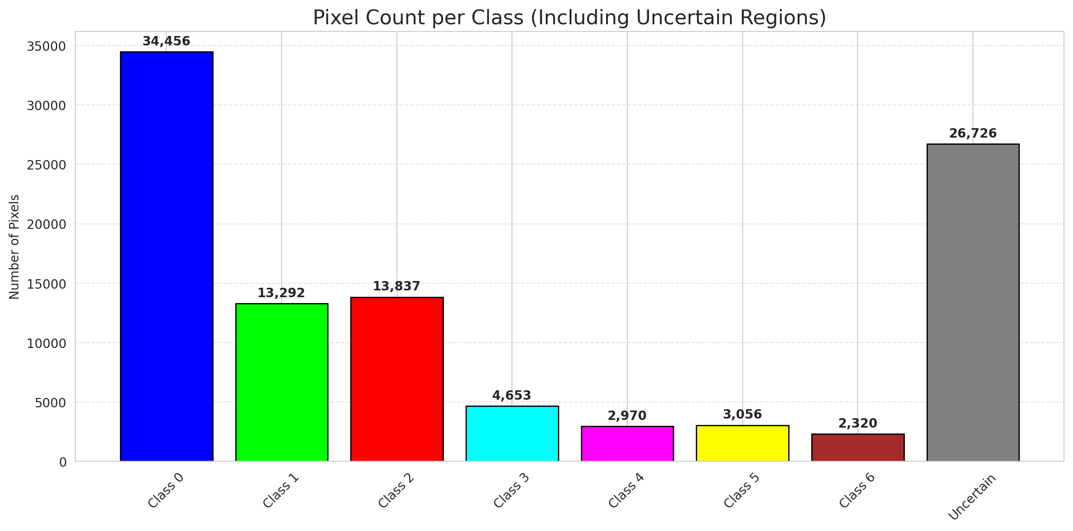
ClassConditionalConformal - DOFA_Hiera_Fusion |  |  |  |  |  |  |  |  | Per-Class Coverage
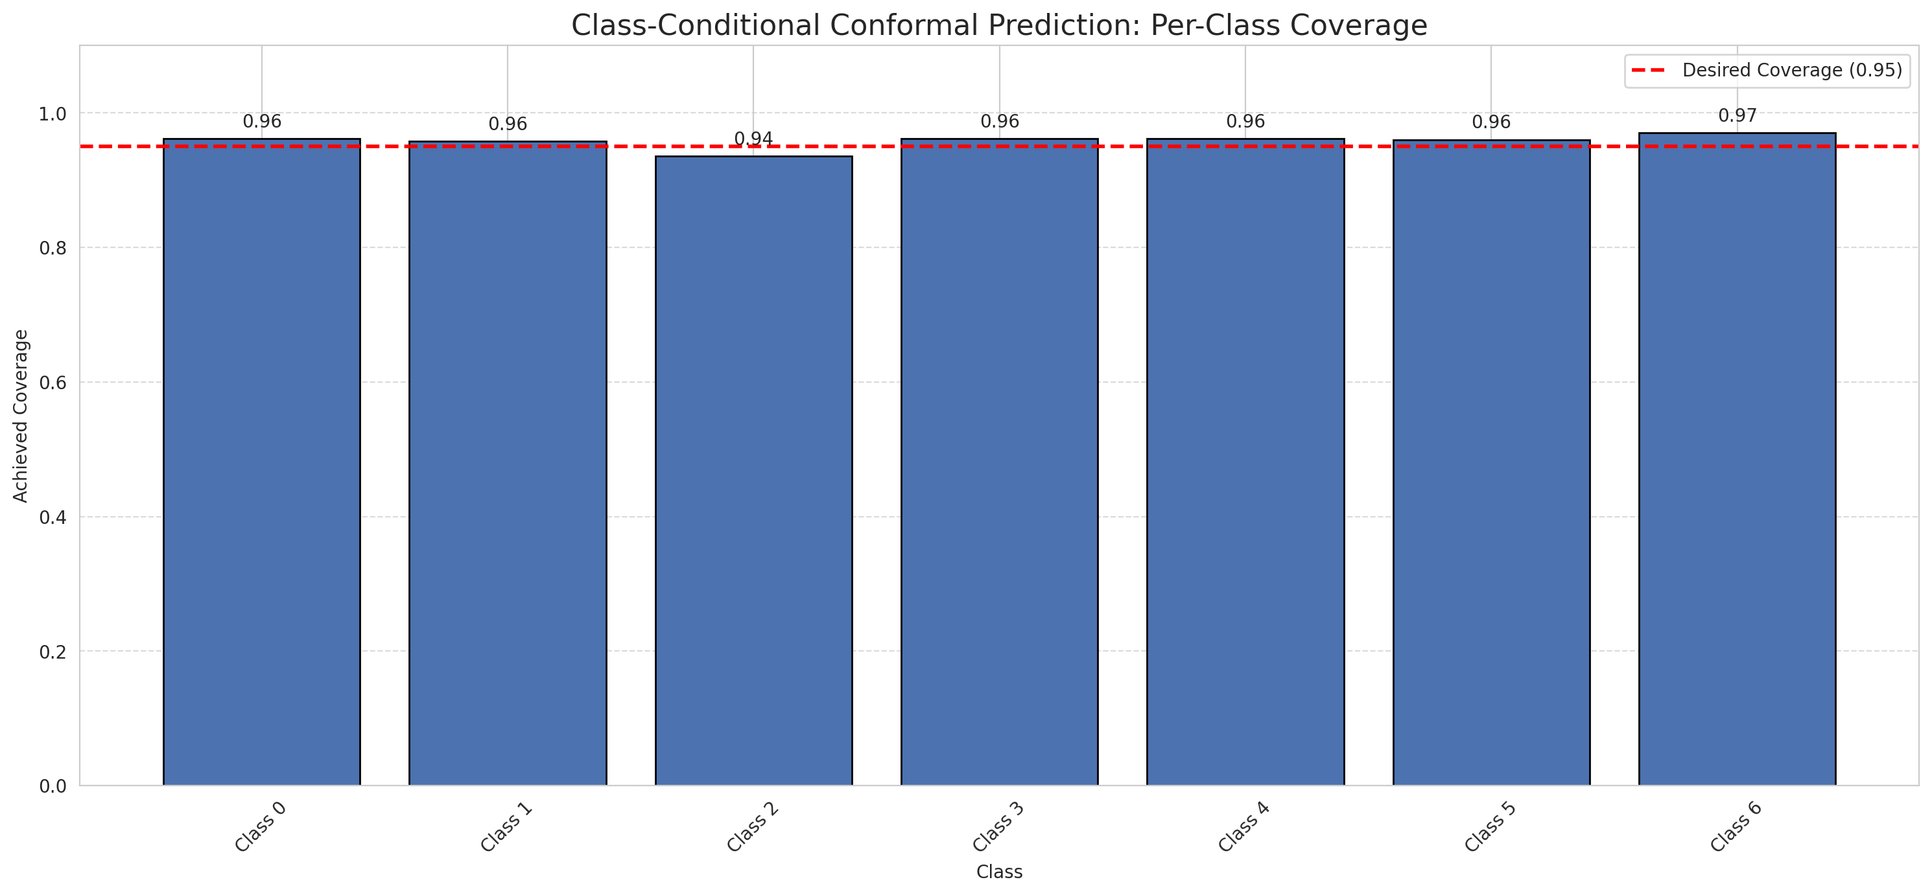
Summary
model_name | method | target_coverage | empirical_coverage | avg_set_size | median_set_size | singleton_rate | empty_set_rate | runtime_sec | alpha | lam | n_clusters | mean_per_class_coverage
DOFA_Hiera_Fusion | ClassConditionalConformal | 0.95 | 0.95684454756 | 0.95684454756 | 1 | 0.95684454756 | 0.043155452436 | 1.488178548 | 0.05 |  |  | 0.95852456443

Per-Class Coverage Values
class_id | class_coverage | support_count
0 | 0.96170678337 | 914
1 | 0.95814977974 | 454
2 | 0.93575418994 | 358
3 | 0.96153846154 | 156
4 | 0.96153846154 | 104
5 | 0.9603960396 | 101
6 | 0.97058823529 | 68

Pixel Counts
class_id | label | pixel_count
0 | Class 0 | 34456
1 | Class 1 | 13292
2 | Class 2 | 13837
3 | Class 3 | 4653
4 | Class 4 | 2970 |  |  |  |  |  |  | Certain vs Uncertain Map
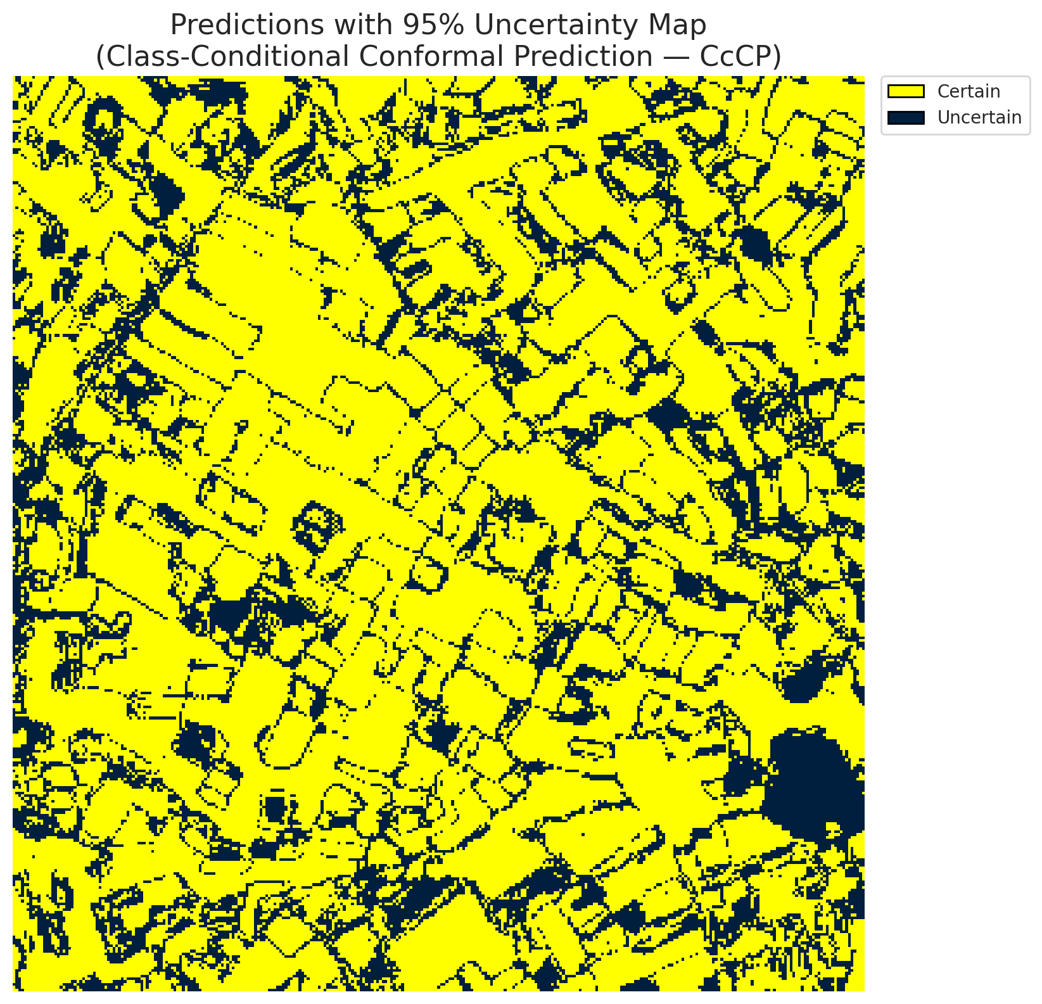
5 | Class 5 | 3056
6 | Class 6 | 2320
7 | Uncertain | 26726

Classwise q_hat
class_id | q_hat_classconditional
0 | 0.029645175295
1 | 0.030236903006
2 | 0.029606754578
3 | 0.033023713443
4 | 0.021849816379
5 | 0.027012343442
6 | 0.10406602446

 |  |  |  |  |  |  |  |  | Class Map with Uncertain Mask
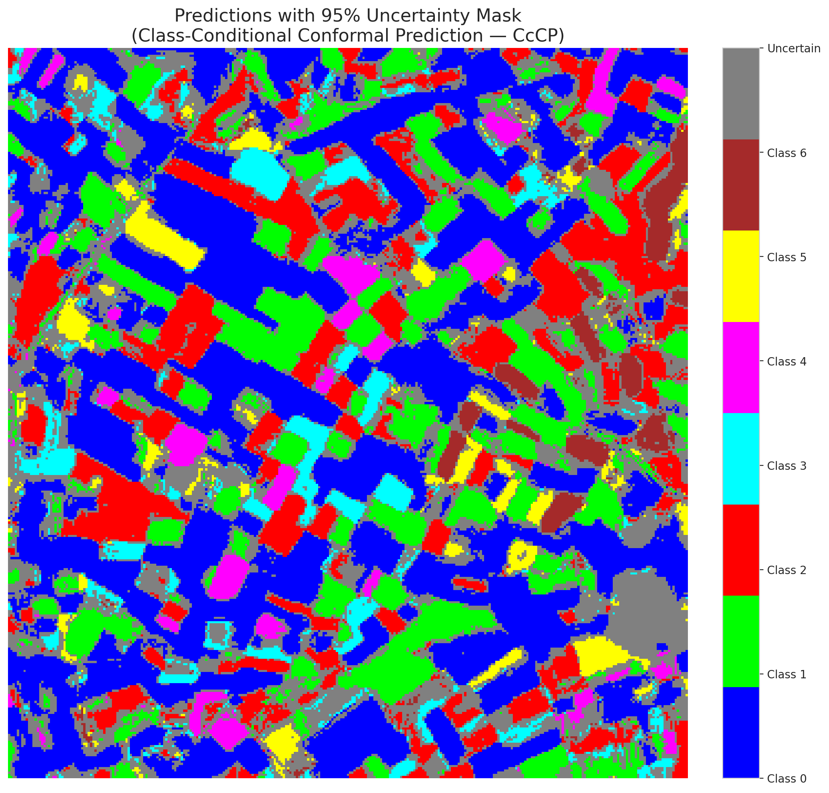

 |  |  |  |  |  |  |  |  | Pixel Counts

RC3P_DOFA_Hiera_Fusion
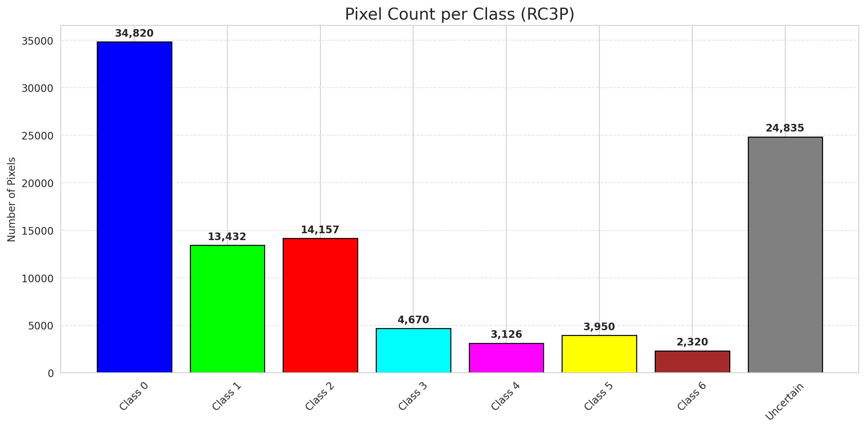
RC3P - DOFA_Hiera_Fusion |  |  |  |  |  |  |  |  | Per-Class Coverage
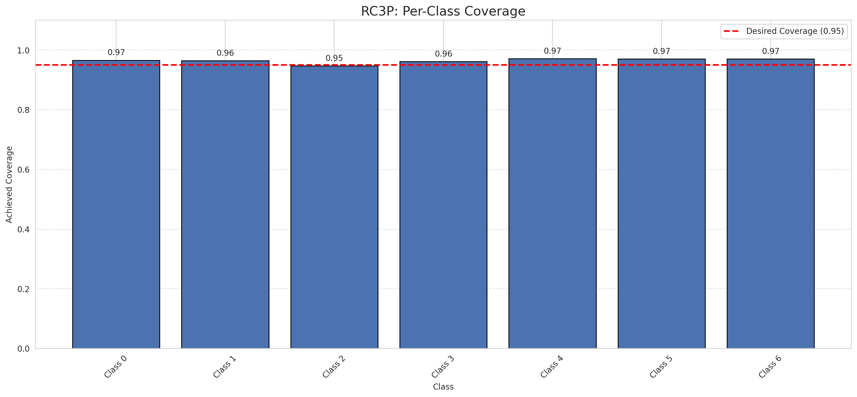
Summary
model_name | method | target_coverage | empirical_coverage | avg_set_size | median_set_size | singleton_rate | empty_set_rate | runtime_sec | alpha | lam | n_clusters | mean_per_class_coverage
DOFA_Hiera_Fusion | RC3P | 0.95 | 0.96287703016 | 0.96287703016 | 1 | 0.96287703016 | 0.037122969838 | 1.585017309 | 0.05 |  |  | 0.96447797246

Per-Class Coverage Values
class_id | class_coverage | support_count
0 | 0.96608315098 | 914
1 | 0.96475770925 | 454
2 | 0.9469273743 | 358
3 | 0.96153846154 | 156
4 | 0.97115384615 | 104
5 | 0.9702970297 | 101
6 | 0.97058823529 | 68

Pixel Counts
class_id | label | pixel_count
0 | Class 0 | 34820
1 | Class 1 | 13432
2 | Class 2 | 14157
3 | Class 3 | 4670
4 | Class 4 | 3126 |  |  |  |  |  |  | Certain vs Uncertain Map
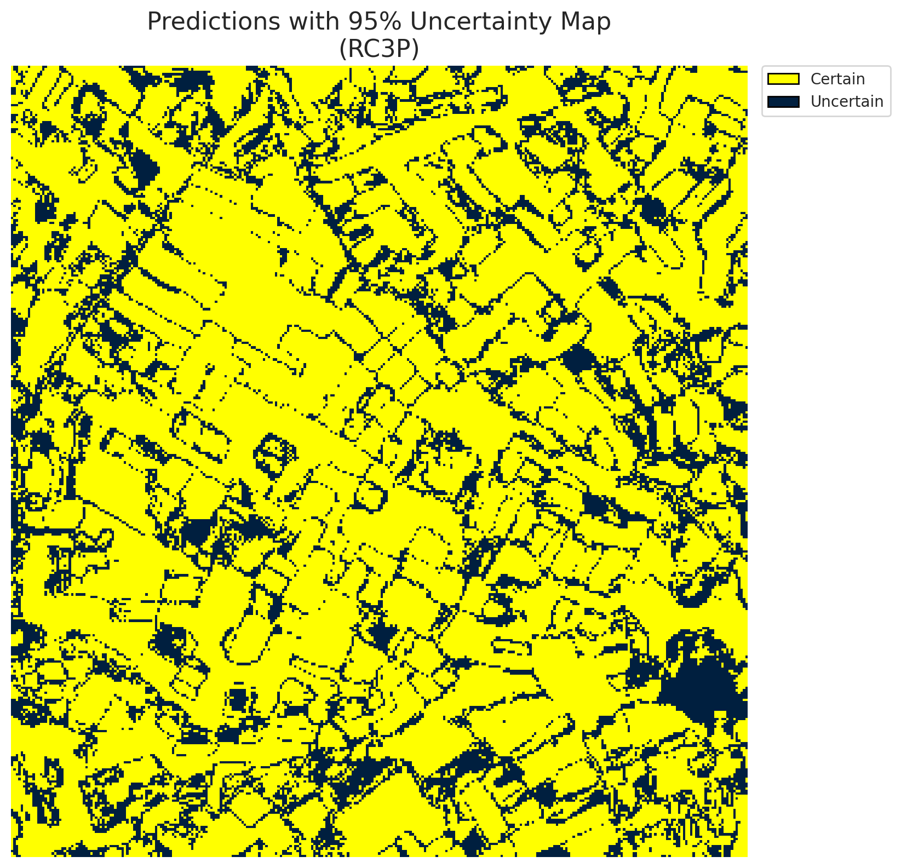
5 | Class 5 | 3950
6 | Class 6 | 2320
7 | Uncertain | 24835

RC3P Thresholds & Limits
class_id | q_hat_rc3p | suit_index_limit
0 | 0.029691415238 | 1
1 | 0.031085894925 | 1
2 | 0.030481893915 | 1
3 | 0.033225171561 | 1
4 | 0.022698356656 | 1
5 | 0.044816066745 | 1
6 | 0.10406602446 | 1

 |  |  |  |  |  |  |  |  | Class Map with Uncertain Mask
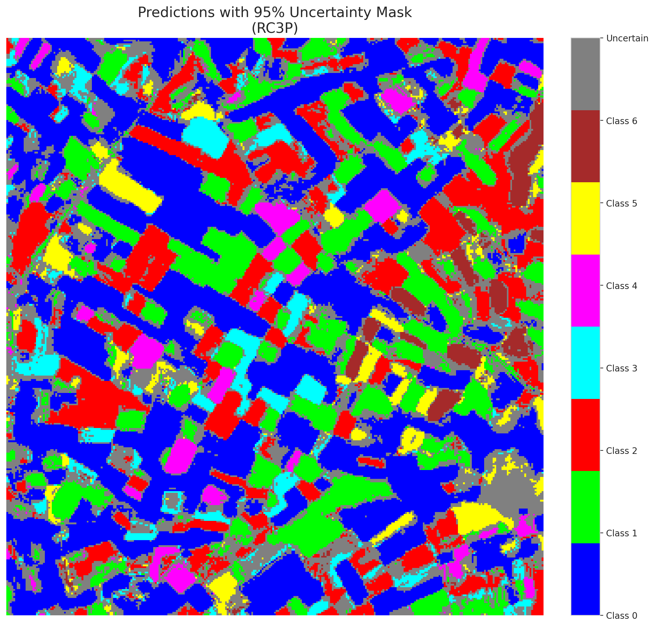

 |  |  |  |  |  |  |  |  | Pixel Counts

Clustered_DOFA_Hiera_Fusion
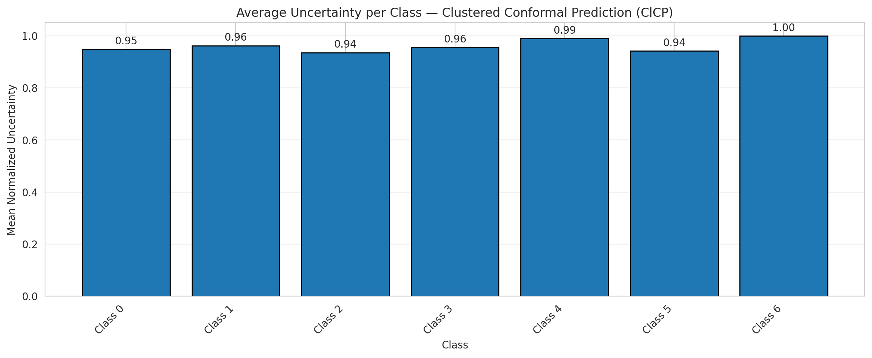
ClusteredConformal - DOFA_Hiera_Fusion |  |  |  |  |  |  |  |  | Per-Class Coverage
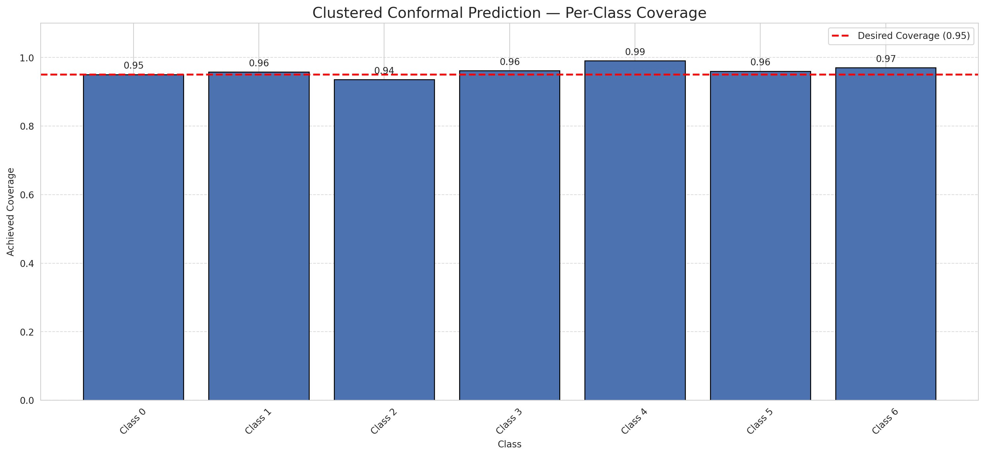
Summary
model_name | method | target_coverage | empirical_coverage | avg_set_size | median_set_size | singleton_rate | empty_set_rate | runtime_sec | alpha | lam | n_clusters | mean_per_class_coverage
DOFA_Hiera_Fusion | ClusteredConformal | 0.95 | 0.9535962877 | 0.9535962877 | 1 | 0.9535962877 | 0.046403712297 | 8.468704089 | 0.05 |  | 4 | 0.96108245512

Per-Class Coverage Values
class_id | class_coverage | support_count
0 | 0.95076586433 | 914
1 | 0.95814977974 | 454
2 | 0.93575418994 | 358
3 | 0.96153846154 | 156
4 | 0.99038461538 | 104
5 | 0.9603960396 | 101
6 | 0.97058823529 | 68

Class-to-Cluster Assignment
class_id | cluster_id
0 | 0
1 | 0
2 | 0
3 | 2
4 | 0 |  |  |  |  |  |  |  | Uncertainty Distribution

5 | 3
6 | 1

Cluster q_hat
cluster_id | q_hat_cluster
0 | 0.02957745345
1 | 0.10406602446
2 | 0.033023713443
3 | 0.027012343442

Cluster Mean Uncertainty
cluster | uncertainty
0 | 0.95243302351
1 | 1
2 | 0.95541401274
3 | 0.94174757282

Class Mean Uncertainty
class_id | uncertainty
0 | 0.94972677596
1 | 0.96238938053 |  |  |  |  |  |  |  | Avg Uncertainty per Cluster
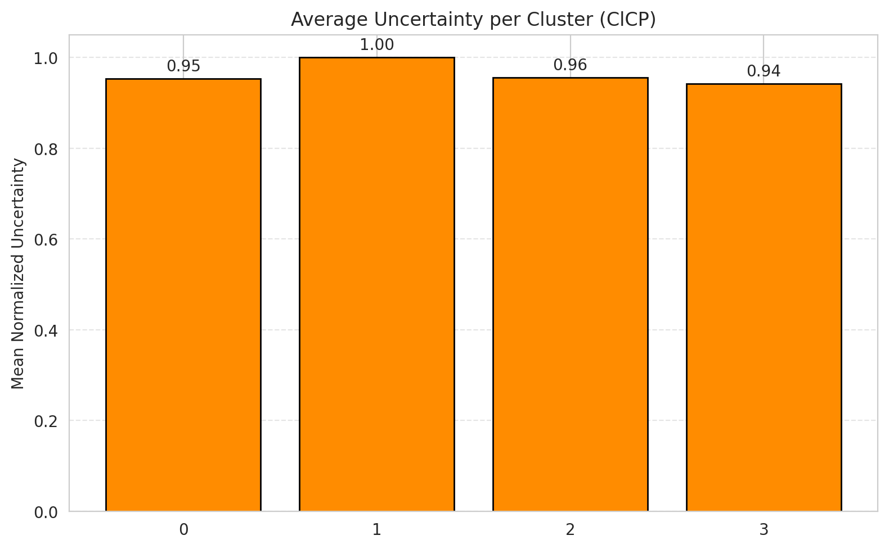
2 | 0.93575418994
3 | 0.95541401274
4 | 0.99038461538
5 | 0.94174757282
6 | 1

 |  |  |  |  |  |  |  |  | Avg Uncertainty per Class

RAPS_DOFA_Hiera_Fusion
RAPS - DOFA_Hiera_Fusion |  |  |  |  |  |  |  |  | Per-Class Coverage
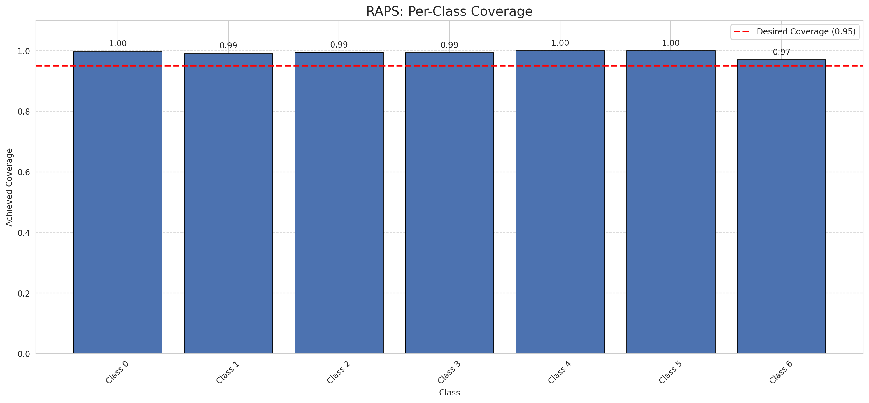
Summary
model_name | method | target_coverage | empirical_coverage | avg_set_size | median_set_size | singleton_rate | empty_set_rate | runtime_sec | alpha | lam | n_clusters | mean_per_class_coverage
DOFA_Hiera_Fusion | RAPS | 0.95 | 0.99489559165 | 1 | 1 | 1 | 0 | 0.380627605 | 0.05 | 0.01 |  | 0.99251323289

Per-Class Coverage Values
class_id | class_coverage | support_count
0 | 0.99781181619 | 914
1 | 0.99118942731 | 454
2 | 0.99441340782 | 358
3 | 0.99358974359 | 156
4 | 1 | 104
5 | 1 | 101
6 | 0.97058823529 | 68

RAPS Parameters
q_hat_raps | lambda | k_reg
0 | 0.01 | 1

Compare_Clustered
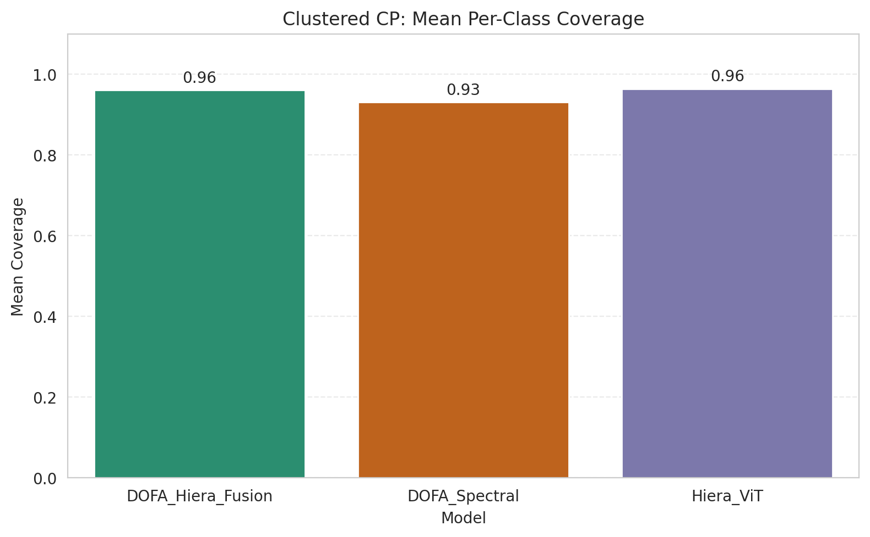
Clustered CP: 3-Model Comparison

model_name | method | target_coverage | empirical_coverage | avg_set_size | median_set_size | singleton_rate | empty_set_rate | model_name | mean_per_class_coverage | lam | n_clusters | mean_per_class_coverage
DOFA_Hiera_Fusion | ClusteredConformal | 0.95 | 0.9535962877 | 0.9535962877 | 1 | 0.9535962877 | 0.046403712297 | DOFA_Hiera_Fusion | 0.96108245512 |  | 4 | 0.96108245512
DOFA_Spectral | ClusteredConformal | 0.95 | 0.95081206497 | 2.3921113689 | 2 | 0.25707656613 | 0 | DOFA_Spectral | 0.93127447016 |  | 4 | 0.93127447016
Hiera_ViT | ClusteredConformal | 0.95 | 0.96334106729 | 0.96334106729 | 1 | 0.96334106729 | 0.036658932715 | Hiera_ViT | 0.96411014857 |  | 4 | 0.96411014857

Grouped Metrics Comparison

Mean Per-Class Coverage Comparison

Compare_RAPS
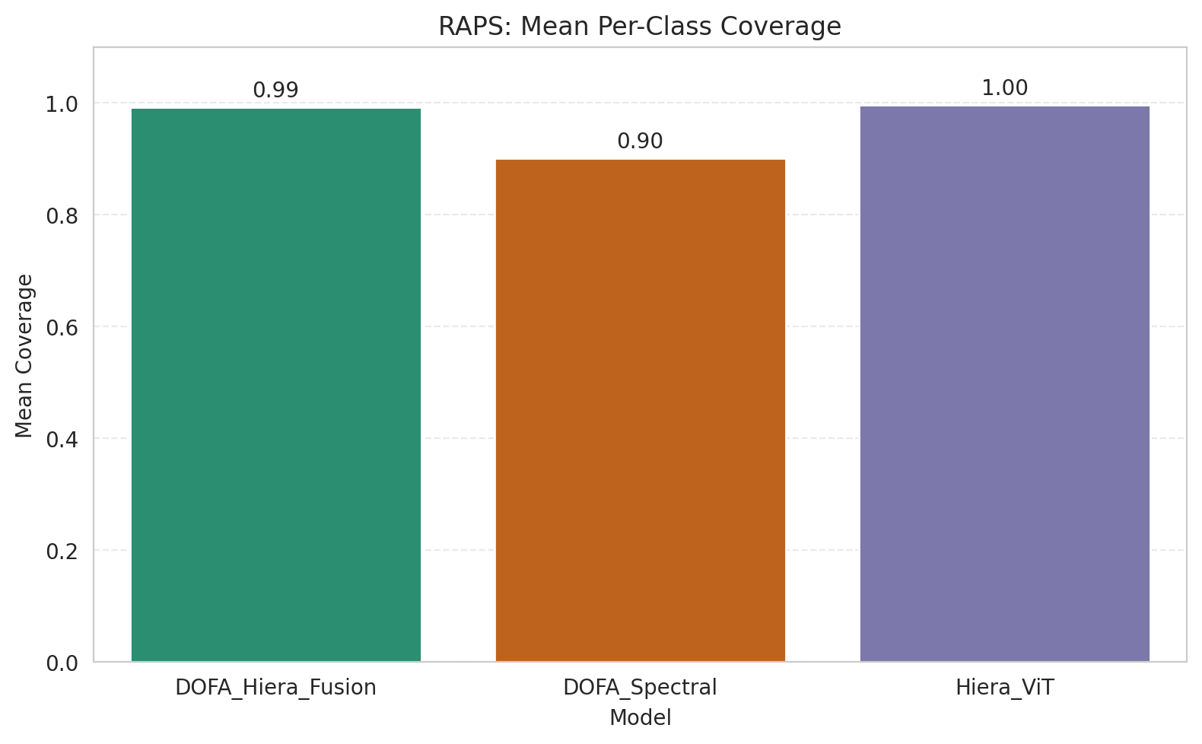
RAPS: 3-Model Comparison

model_name | method | target_coverage | empirical_coverage | avg_set_size | median_set_size | singleton_rate | empty_set_rate | model_name | mean_per_class_coverage | lam | n_clusters | mean_per_class_coverage
DOFA_Hiera_Fusion | RAPS | 0.95 | 0.99489559165 | 1 | 1 | 1 | 0 | DOFA_Hiera_Fusion | 0.99251323289 | 0.01 |  | 0.99251323289
DOFA_Spectral | RAPS | 0.95 | 0.94524361949 | 2.2018561485 | 2 | 0.25197215777 | 0 | DOFA_Spectral | 0.90120865028 | 0.01 |  | 0.90120865028
Hiera_ViT | RAPS | 0.95 | 0.99628770302 | 1 | 1 | 1 | 0 | Hiera_ViT | 0.99637253616 | 0.01 |  | 0.99637253616

Grouped Metrics Comparison

Mean Per-Class Coverage Comparison

