AlexNet_RAPS_ws3
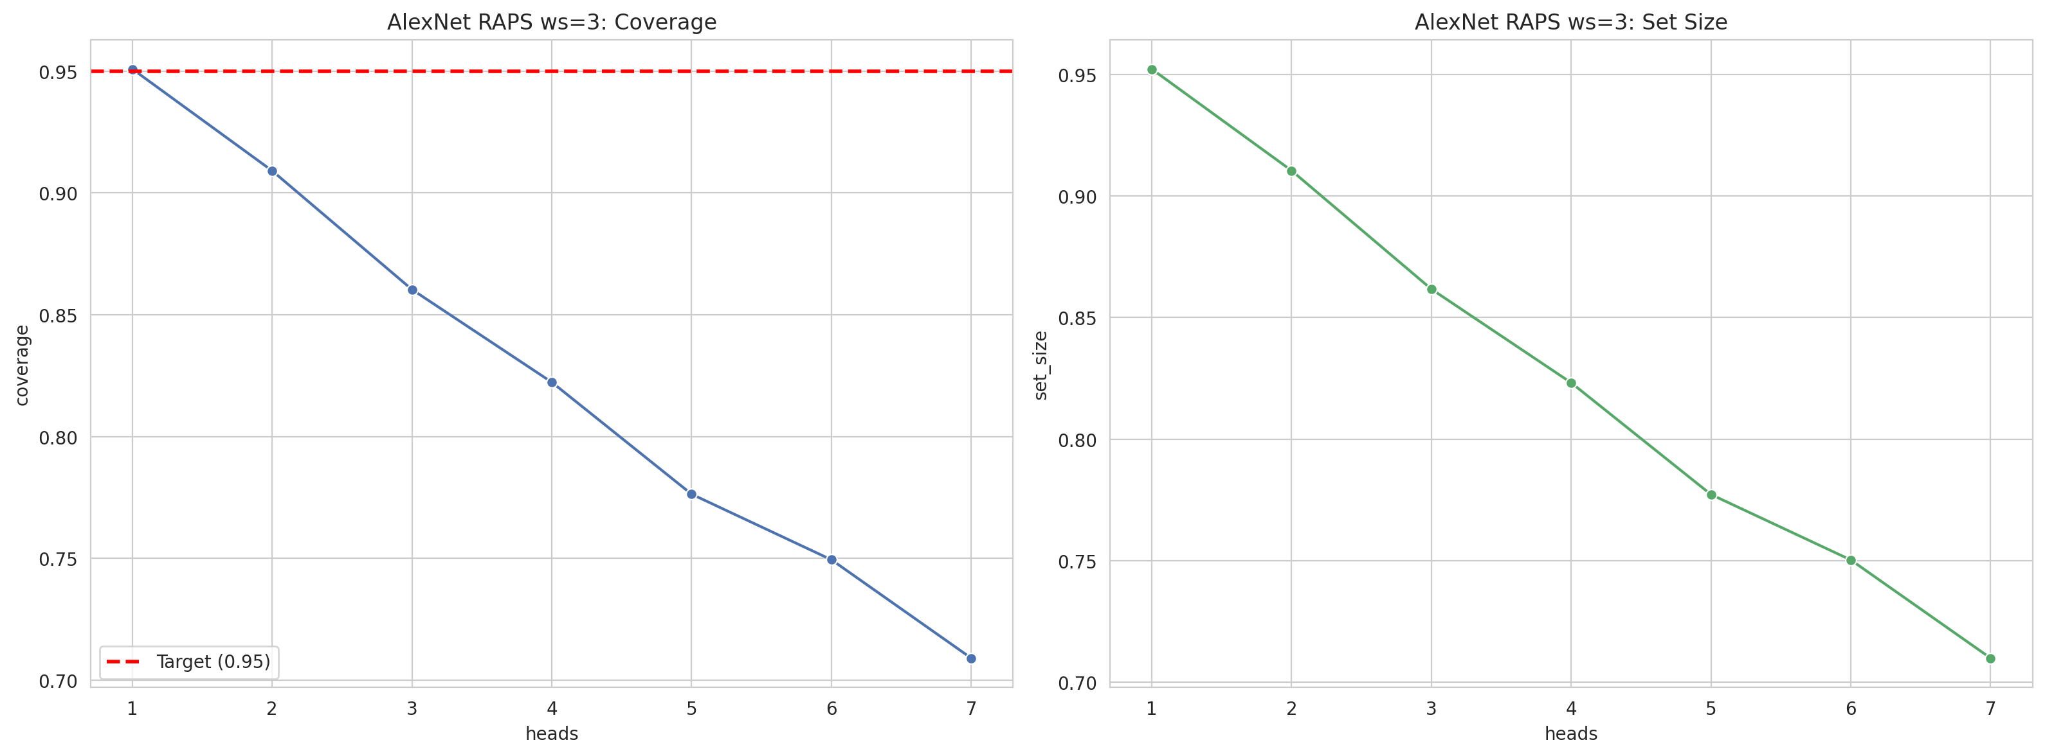
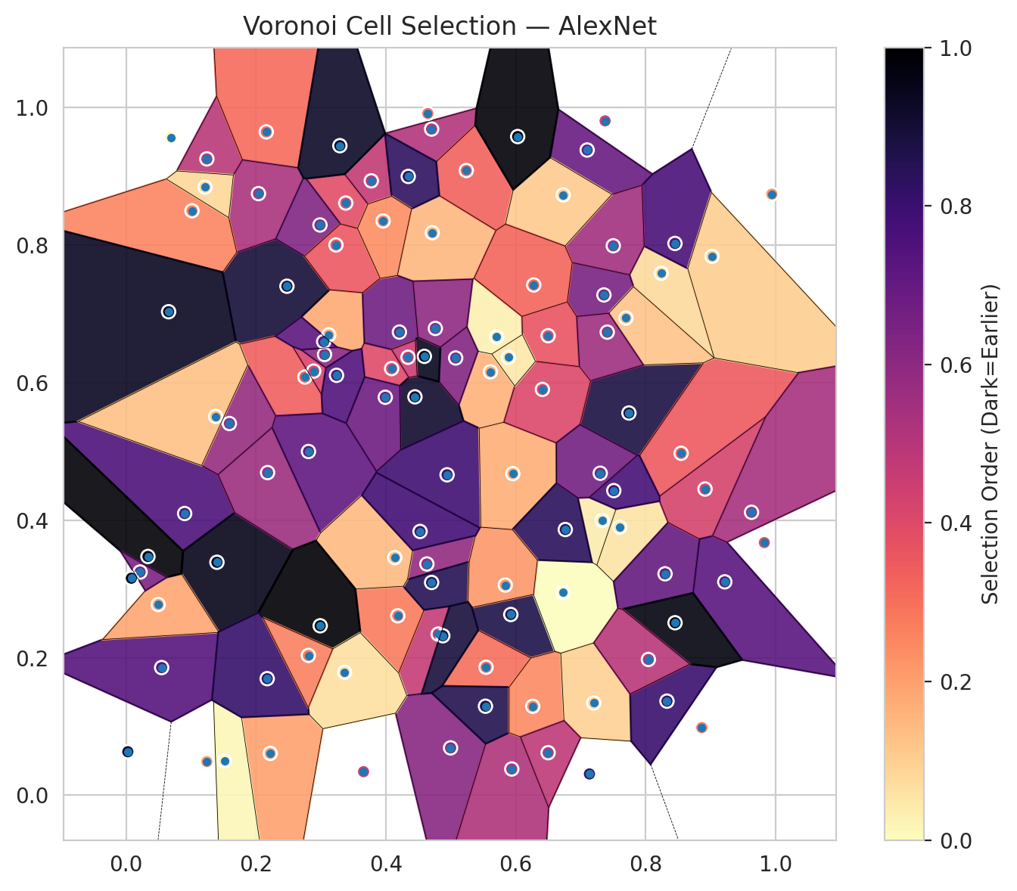
model_key | AlexNet_CNN_MultiHead
model_name | AlexNet
scoring_method | RAPS
window_size | 3
lambda | 0.5
k_iters | 1
empirical_coverage | 0.7090487239
avg_set_size | 0.70997679814
scene_coverage | 0.27102299952
scene_avg_set_size | 1.0010122361
uncertain_pixel_rate | 0.15274898825
mean_per_class_cov | 0.70979718948
runtime_sec | 34.838231022
alpha | 0.05

heads | coverage | set_size |  |  | class_id | class_coverage | support_count | Class | Pixels
1 | 0.95081206497 | 0.95220417633 |  |  | 0 | 0.71006564551 | 914 | Class 0 | 38169
2 | 0.9090487239 | 0.91044083527 |  |  | 1 | 0.71145374449 | 454 | Class 1 | 15501
3 | 0.86032482599 | 0.86171693735 |  |  | 2 | 0.70391061453 | 358 | Class 2 | 16182
4 | 0.8222737819 | 0.82320185615 |  |  | 3 | 0.67948717949 | 156 | Class 3 | 5031
5 | 0.77633410673 | 0.77726218097 |  |  | 4 | 0.75961538462 | 104 | Class 4 | 3992
6 | 0.7494199536 | 0.75034802784 |  |  | 5 | 0.71287128713 | 101 | Class 5 | 5481
7 | 0.7090487239 | 0.70997679814 |  |  | 6 | 0.69117647059 | 68 | Class 6 | 1479
 |  |  |  |  |  |  |  | Uncertain | 15475

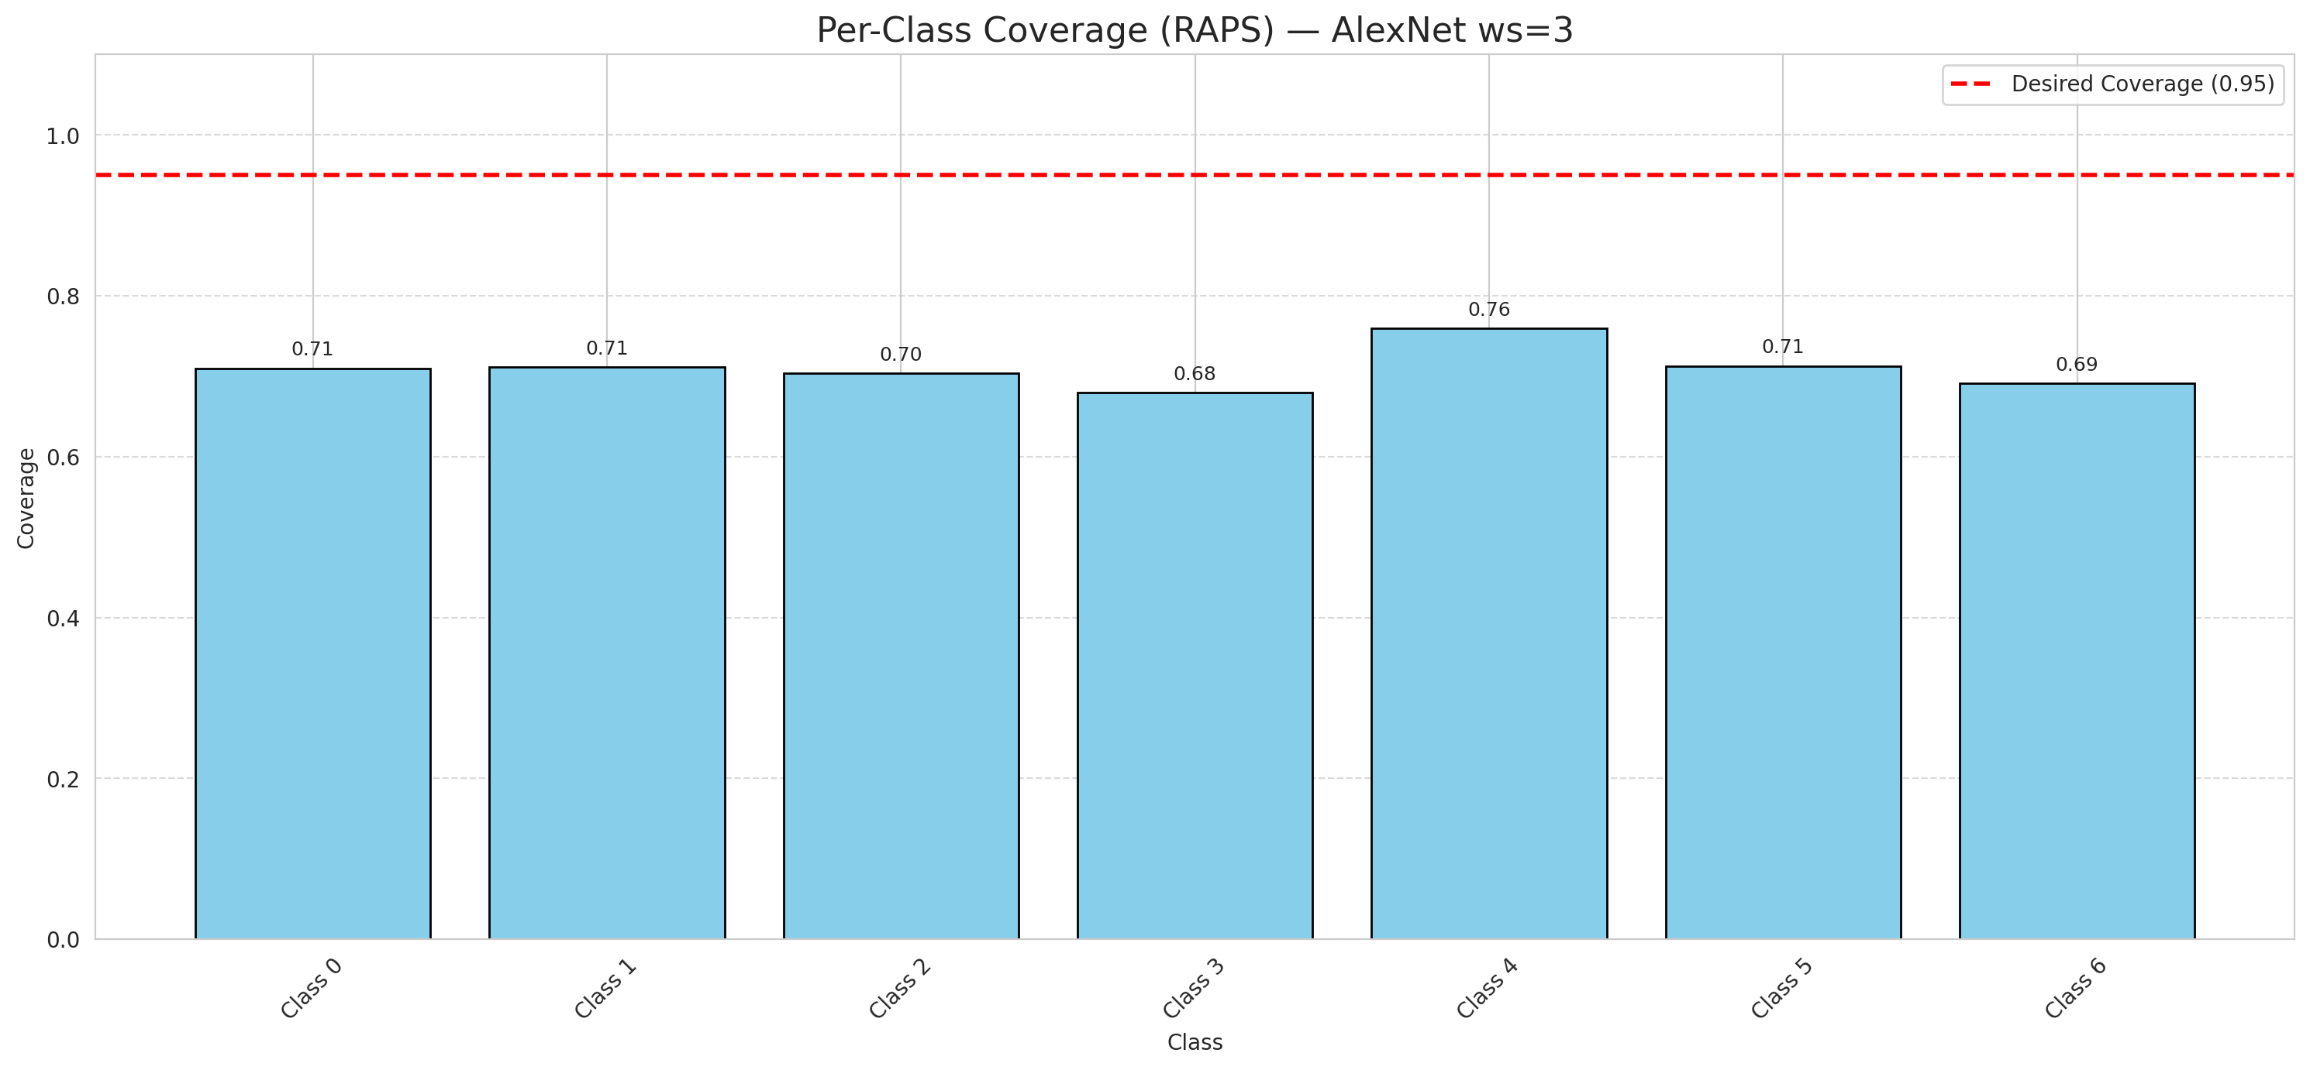

Cell Index | s1 | s2 | Selection_Order | Norm_Order(0-1) | Target
0 | 0.312 | 0.6695 | 19 | 0.17924528302 | 0
1 | 0.824 | 0.7592 | 8 | 0.075471698113 | 0
2 | 0.733 | 0.3996 | 4 | 0.037735849057 | 0
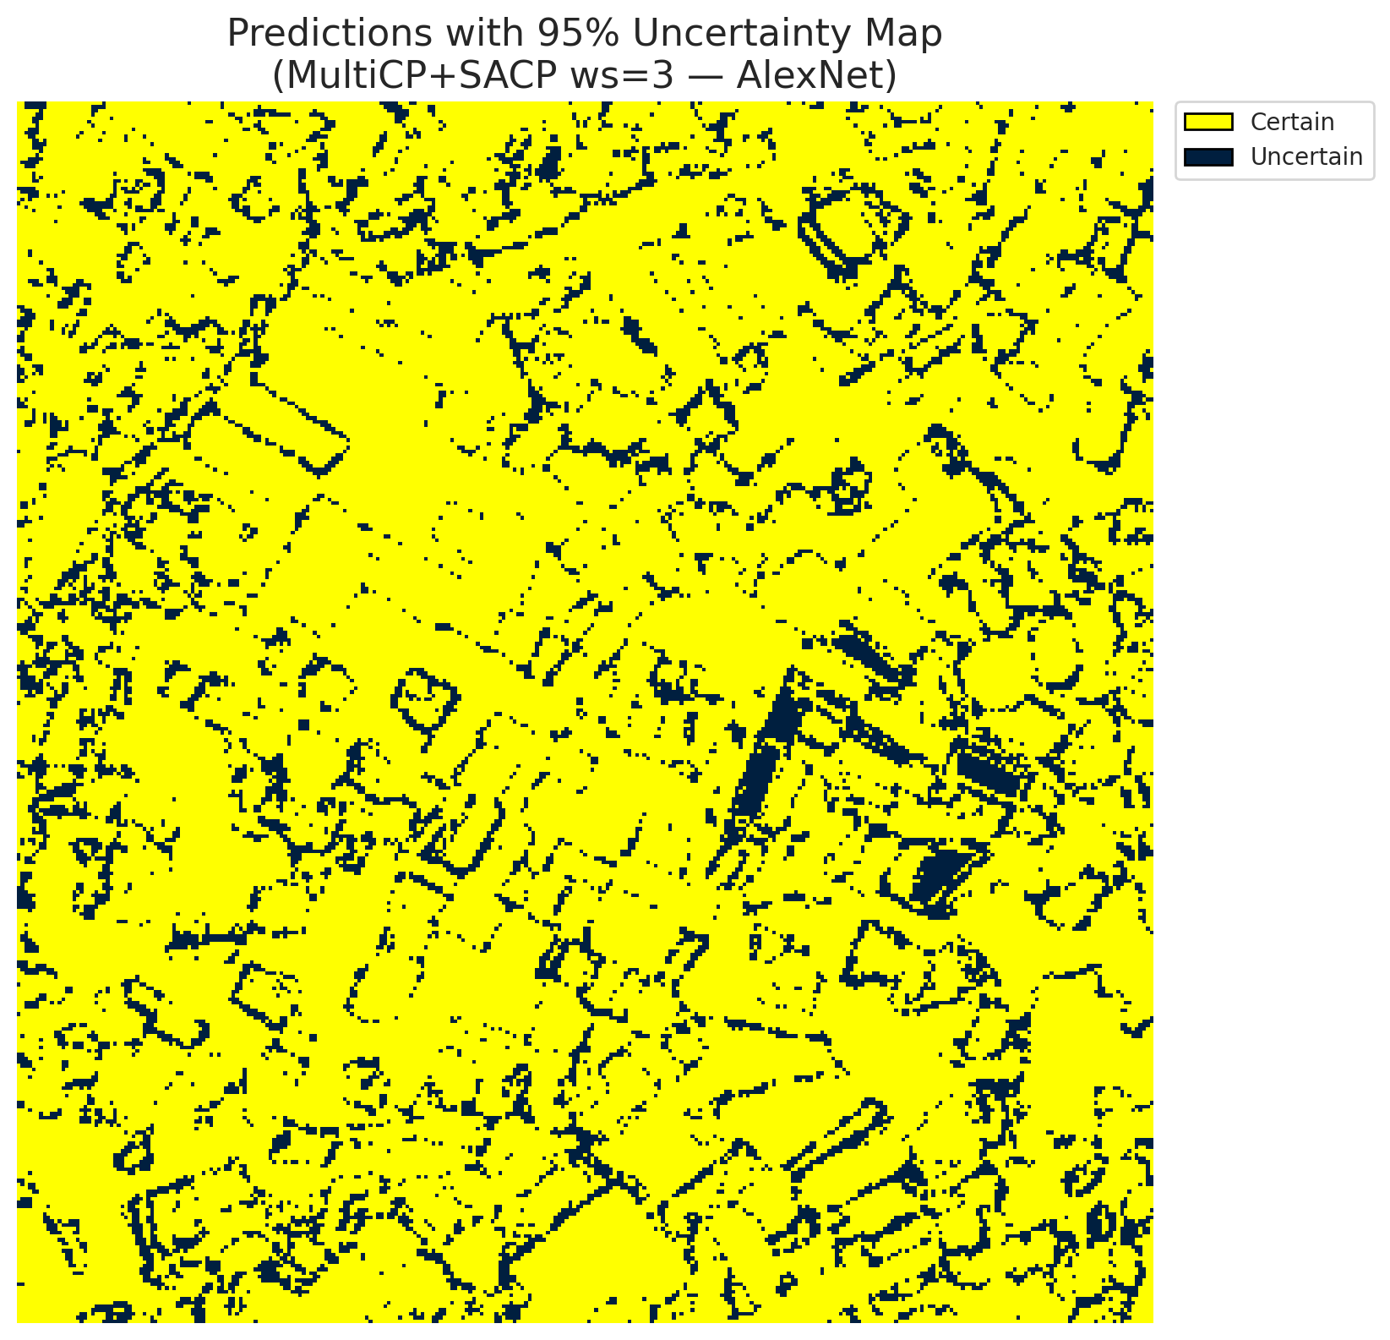
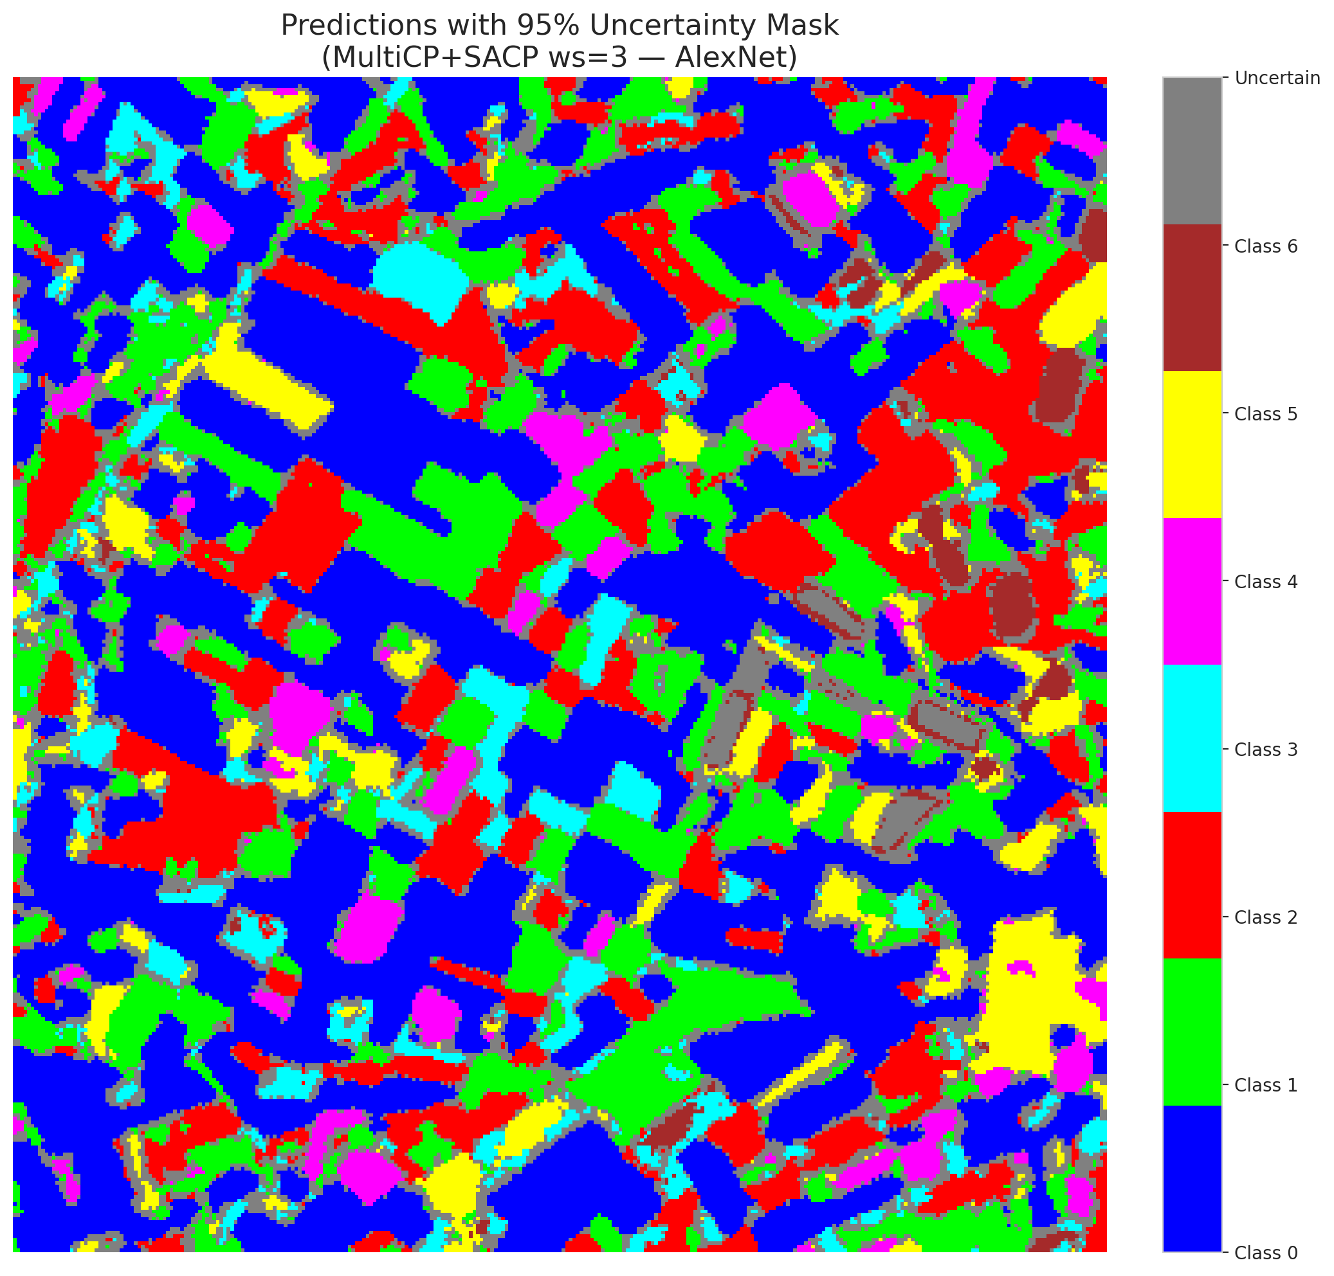
3 | 0.7099 | 0.9384 | 73 | 0.68867924528 | 2
4 | 0.4704 | 0.9689 | 54 | 0.50943396226 | 6
5 | 0.3656 | 0.0342 | 47 | 0.44339622642 | 2
6 | 0.4805 | 0.2343 | 49 | 0.46226415094 | 0
7 | 0.0901 | 0.4097 | 80 | 0.75471698113 | 0
8 | 0.8451 | 0.8025 | 81 | 0.7641509434 | 0
9 | 0.2219 | 0.0608 | 21 | 0.19811320755 | 1
10 | 0.4183 | 0.2609 | 29 | 0.27358490566 | 3
11 | 0.4088 | 0.6205 | 42 | 0.39622641509 | 0
12 | 0.5923 | 0.2628 | 92 | 0.8679245283 | 4
13 | 0.2476 | 0.7403 | 95 | 0.89622641509 | 0
14 | 0.1398 | 0.3388 | 101 | 0.95283018868 | 5
15 | 0.7357 | 0.7276 | 69 | 0.65094339623 | 0
16 | 0.4714 | 0.8181 | 16 | 0.15094339623 | 1
17 | 0.6726 | 0.2948 | 0 | 0 | 0
18 | 0.8864 | 0.0983 | 30 | 0.28301886792 | 2
19 | 0.9942 | 0.8742 | 24 | 0.22641509434 | 3
20 | 0.2178 | 0.4692 | 60 | 0.56603773585 | 0
21 | 0.7742 | 0.5559 | 93 | 0.87735849057 | 4
22 | 0.1243 | 0.9255 | 52 | 0.49056603774 | 0
23 | 0.4996 | 0.0688 | 65 | 0.61320754717 | 0
24 | 0.8546 | 0.4973 | 37 | 0.34905660377 | 1
25 | 0.4208 | 0.6736 | 71 | 0.66981132075 | 2
26 | 0.4631 | 0.3363 | 62 | 0.58490566038 | 4
27 | 0.3382 | 0.8613 | 41 | 0.38679245283 | 1
28 | 0.5542 | 0.1861 | 32 | 0.30188679245 | 0
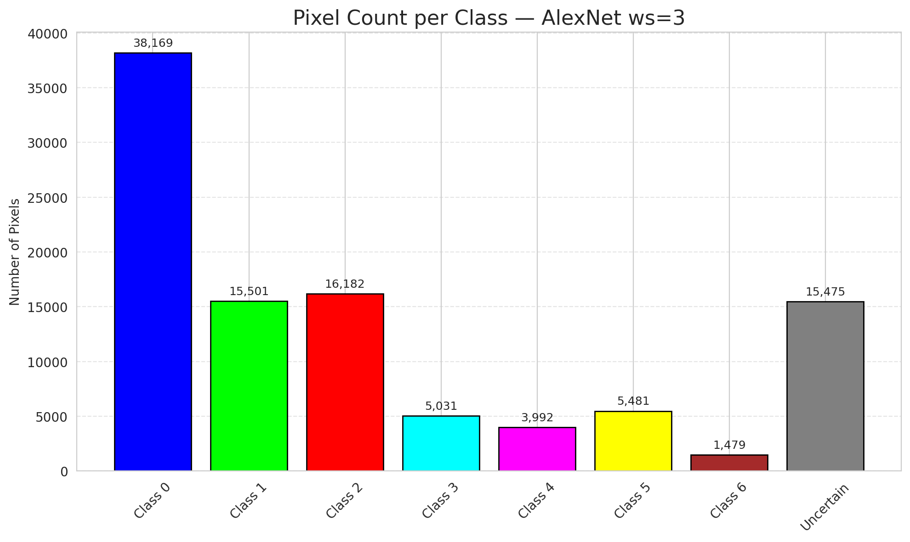
29 | 0.7601 | 0.3898 | 6 | 0.056603773585 | 3
30 | 0.5609 | 0.6157 | 17 | 0.16037735849 | 0
31 | 0.2158 | 0.9648 | 33 | 0.31132075472 | 1
32 | 0.5238 | 0.9086 | 35 | 0.33018867925 | 6
33 | 0.5707 | 0.6665 | 3 | 0.028301886792 | 0
34 | 0.2038 | 0.875 | 56 | 0.52830188679 | 5
35 | 0.5938 | 0.0381 | 55 | 0.51886792453 | 2
36 | 0.4704 | 0.3094 | 90 | 0.84905660377 | 5
37 | 0.2985 | 0.8294 | 67 | 0.6320754717 | 2
38 | 0.2753 | 0.6082 | 36 | 0.33962264151 | 4
39 | 0.2808 | 0.4999 | 75 | 0.70754716981 | 1
40 | 0.159 | 0.5406 | 61 | 0.57547169811 | 0
41 | 0.2888 | 0.6168 | 44 | 0.41509433962 | 0
42 | 0.7375 | 0.9808 | 46 | 0.43396226415 | 0
43 | 0.4447 | 0.5794 | 97 | 0.91509433962 | 0
44 | 0.8298 | 0.322 | 74 | 0.69811320755 | 0
45 | 0.1514 | 0.0499 | 2 | 0.018867924528 | 0
46 | 0.9021 | 0.7837 | 11 | 0.10377358491 | 0
47 | 0.7696 | 0.694 | 13 | 0.12264150943 | 1
48 | 0.3055 | 0.641 | 64 | 0.60377358491 | 0
49 | 0.7501 | 0.7991 | 58 | 0.54716981132 | 2
50 | 0.4942 | 0.466 | 84 | 0.79245283019 | 0
51 | 0.5533 | 0.1294 | 91 | 0.85849056604 | 0
52 | 0.6261 | 0.1293 | 26 | 0.24528301887 | 6
53 | 0.72 | 0.1341 | 10 | 0.094339622642 | 3
54 | 0.6498 | 0.6683 | 39 | 0.3679245283 | 0
55 | 0.1014 | 0.85 | 27 | 0.25471698113 | 6
56 | 0.8328 | 0.1368 | 85 | 0.80188679245 | 2
57 | 0.5954 | 0.4677 | 18 | 0.16981132075 | 2
58 | 0.3042 | 0.6598 | 76 | 0.71698113208 | 0
59 | 0.6498 | 0.0618 | 51 | 0.48113207547 | 2
60 | 0.4645 | 0.9916 | 31 | 0.29245283019 | 3
61 | 0.5074 | 0.6359 | 66 | 0.62264150943 | 2
62 | 0.3231 | 0.8003 | 38 | 0.35849056604 | 1
63 | 0.7408 | 0.6735 | 59 | 0.55660377358 | 0
64 | 0.0692 | 0.9566 | 1 | 0.0094339622642 | 1
65 | 0.399 | 0.5788 | 72 | 0.67924528302 | 0
66 | 0.0654 | 0.7032 | 99 | 0.93396226415 | 0
67 | 0.8914 | 0.4453 | 45 | 0.42452830189 | 2
68 | 0.0026 | 0.0632 | 96 | 0.90566037736 | 0
69 | 0.4137 | 0.3456 | 15 | 0.14150943396 | 0
70 | 0.0547 | 0.1856 | 78 | 0.7358490566 | 1
71 | 0.3775 | 0.8936 | 50 | 0.47169811321 | 5
72 | 0.4344 | 0.9 | 88 | 0.83018867925 | 2
73 | 0.4592 | 0.6383 | 100 | 0.94339622642 | 0
74 | 0.6731 | 0.873 | 12 | 0.11320754717 | 2
75 | 0.6276 | 0.7421 | 34 | 0.32075471698 | 5
76 | 0.2988 | 0.2464 | 106 | 1 | 1
77 | 0.3364 | 0.1787 | 7 | 0.066037735849 | 3
78 | 0.3291 | 0.9447 | 98 | 0.92452830189 | 0
79 | 0.324 | 0.6107 | 79 | 0.74528301887 | 0
80 | 0.9218 | 0.3103 | 77 | 0.72641509434 | 1
81 | 0.641 | 0.5902 | 43 | 0.40566037736 | 1
82 | 0.4761 | 0.6789 | 63 | 0.59433962264 | 6
83 | 0.0494 | 0.2773 | 20 | 0.18867924528 | 1
84 | 0.8452 | 0.2508 | 103 | 0.97169811321 | 1
85 | 0.963 | 0.4115 | 57 | 0.53773584906 | 2
86 | 0.0336 | 0.3472 | 105 | 0.99056603774 | 0
87 | 0.6762 | 0.3864 | 89 | 0.83962264151 | 0
88 | 0.0215 | 0.3246 | 68 | 0.64150943396 | 0
89 | 0.8042 | 0.1974 | 53 | 0.5 | 1
90 | 0.7509 | 0.443 | 82 | 0.77358490566 | 2
91 | 0.5886 | 0.6368 | 5 | 0.047169811321 | 0
92 | 0.9827 | 0.3674 | 40 | 0.37735849057 | 0
93 | 0.3957 | 0.8352 | 25 | 0.2358490566 | 4
94 | 0.1243 | 0.0489 | 22 | 0.20754716981 | 1
95 | 0.7134 | 0.0309 | 87 | 0.82075471698 | 0
96 | 0.5838 | 0.3056 | 23 | 0.21698113208 | 2
97 | 0.6029 | 0.958 | 104 | 0.98113207547 | 0
98 | 0.4341 | 0.637 | 48 | 0.45283018868 | 0
99 | 0.2172 | 0.1695 | 86 | 0.81132075472 | 1
100 | 0.2806 | 0.2033 | 28 | 0.2641509434 | 3
101 | 0.73 | 0.4683 | 70 | 0.66037735849 | 3
102 | 0.008 | 0.3156 | 102 | 0.96226415094 | 6
103 | 0.1378 | 0.5509 | 14 | 0.1320754717 | 0
104 | 0.4526 | 0.3836 | 83 | 0.78301886792 | 4
105 | 0.4876 | 0.2319 | 94 | 0.88679245283 | 1
106 | 0.1215 | 0.8844 | 9 | 0.084905660377 | 0

AlexNet_SAPS_ws3
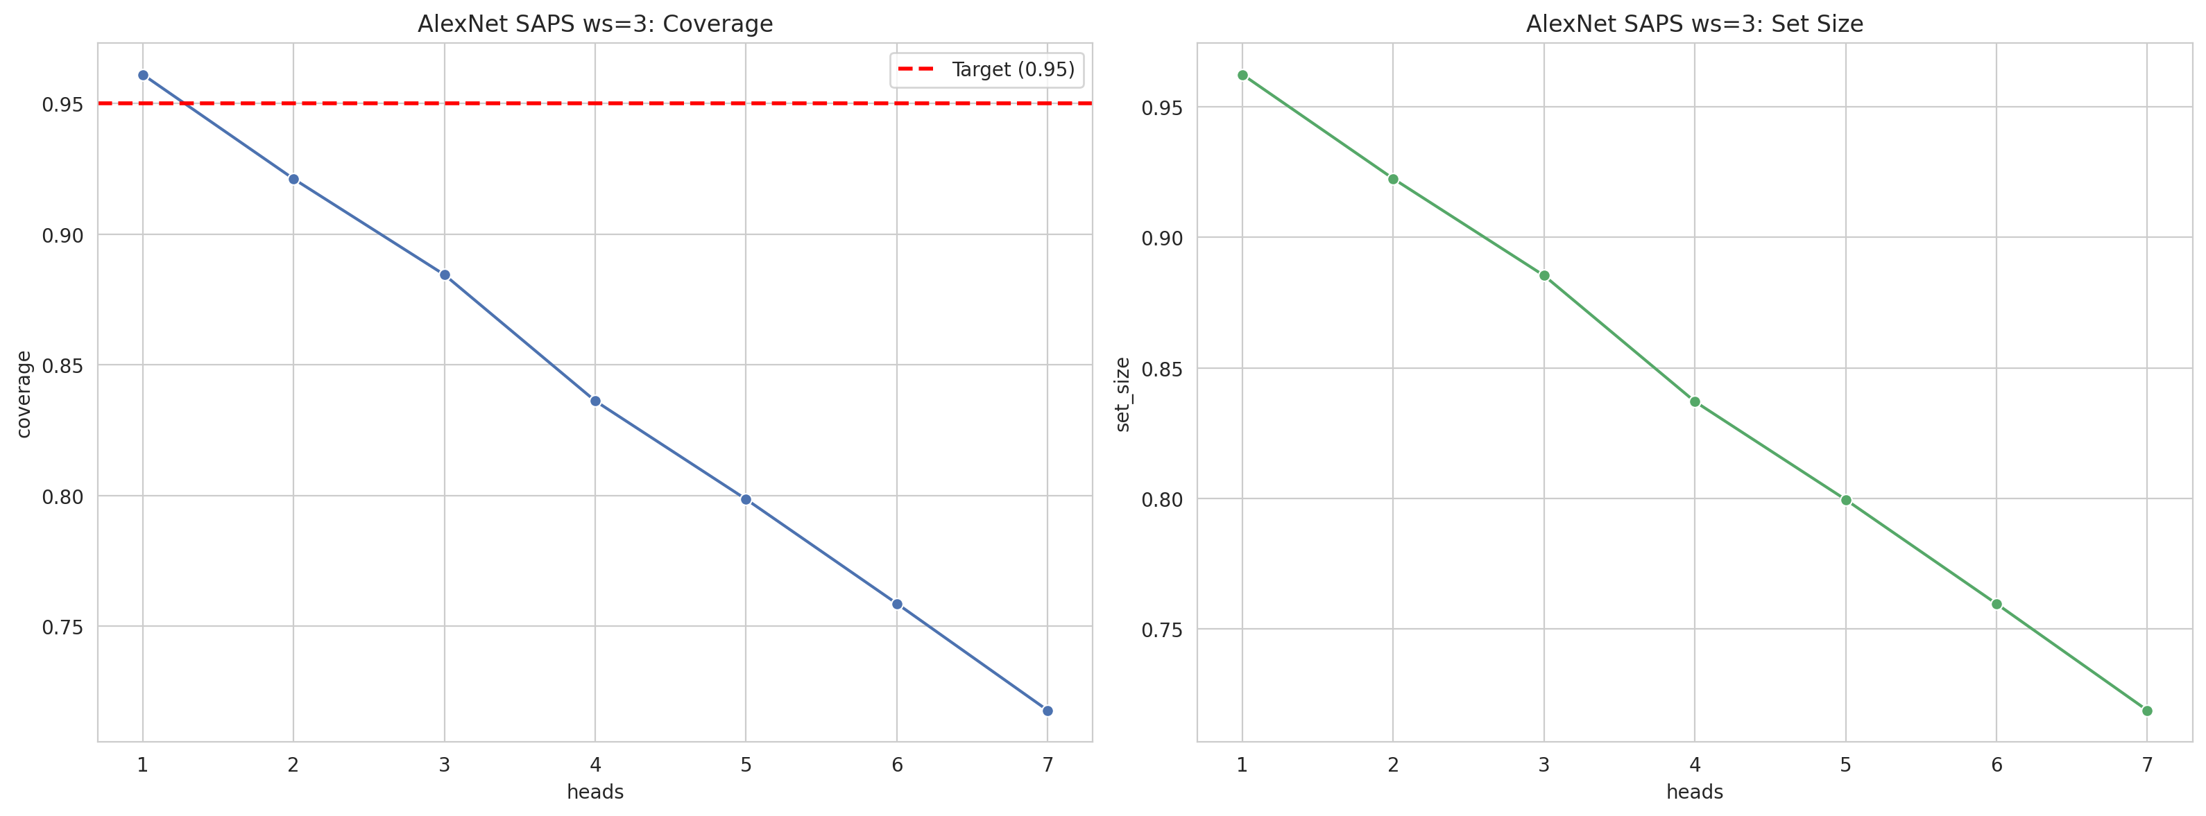
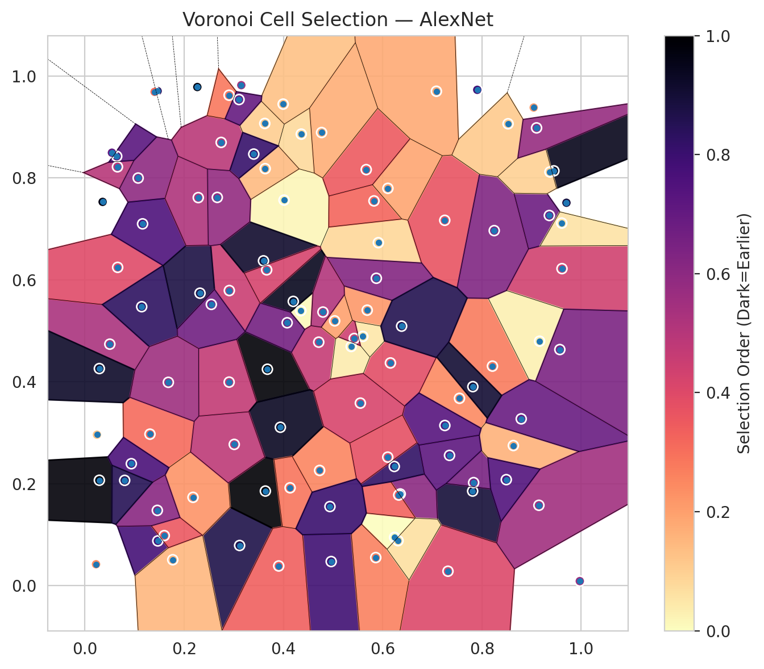
model_key | AlexNet_CNN_MultiHead
model_name | AlexNet
scoring_method | SAPS
window_size | 3
lambda | 0.5
k_iters | 1
empirical_coverage | 0.71786542923
avg_set_size | 0.71879350348
scene_coverage | 0.2562290369
scene_avg_set_size | 0.9038177181
uncertain_pixel_rate | 0.83774553351
mean_per_class_cov | 0.72253622098
runtime_sec | 33.748797158
alpha | 0.05

heads | coverage | set_size |  |  | class_id | class_coverage | support_count | Class | Pixels
1 | 0.96102088167 | 0.96241299304 |  |  | 0 | 0.72538293217 | 914 | Class 0 | 8563
2 | 0.9211136891 | 0.92250580046 |  |  | 1 | 0.72907488987 | 454 | Class 1 | 2435
3 | 0.88445475638 | 0.88538283063 |  |  | 2 | 0.67597765363 | 358 | Class 2 | 2959
4 | 0.83619489559 | 0.83712296984 |  |  | 3 | 0.72435897436 | 156 | Class 3 | 612
5 | 0.79860788863 | 0.79953596288 |  |  | 4 | 0.73076923077 | 104 | Class 4 | 742
6 | 0.75870069606 | 0.7596287703 |  |  | 5 | 0.66336633663 | 101 | Class 5 | 930
7 | 0.71786542923 | 0.71879350348 |  |  | 6 | 0.80882352941 | 68 | Class 6 | 197
 |  |  |  |  |  |  |  | Uncertain | 84872

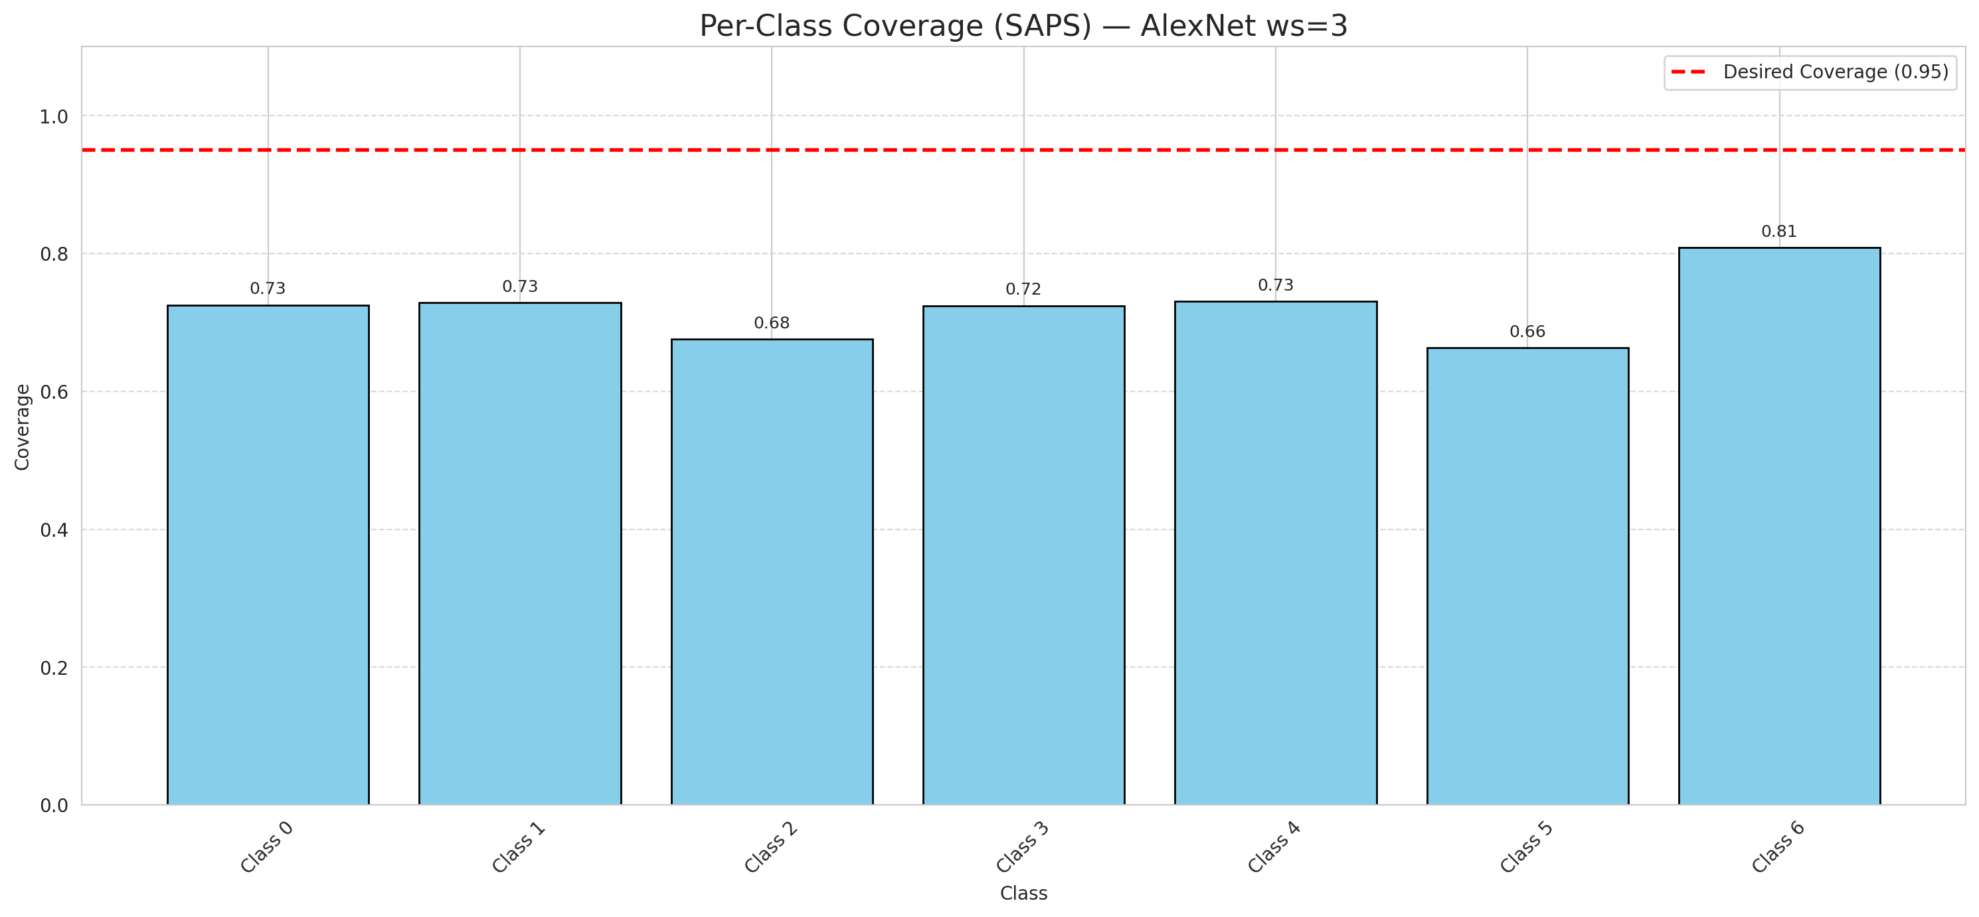

Cell Index | s1 | s2 | Selection_Order | Norm_Order(0-1) | Target
0 | 0.7547 | 0.3676 | 26 | 0.24528301887 | 0
1 | 0.7905 | 0.973 | 83 | 0.78301886792 | 0
2 | 0.7812 | 0.1856 | 95 | 0.89622641509 | 0
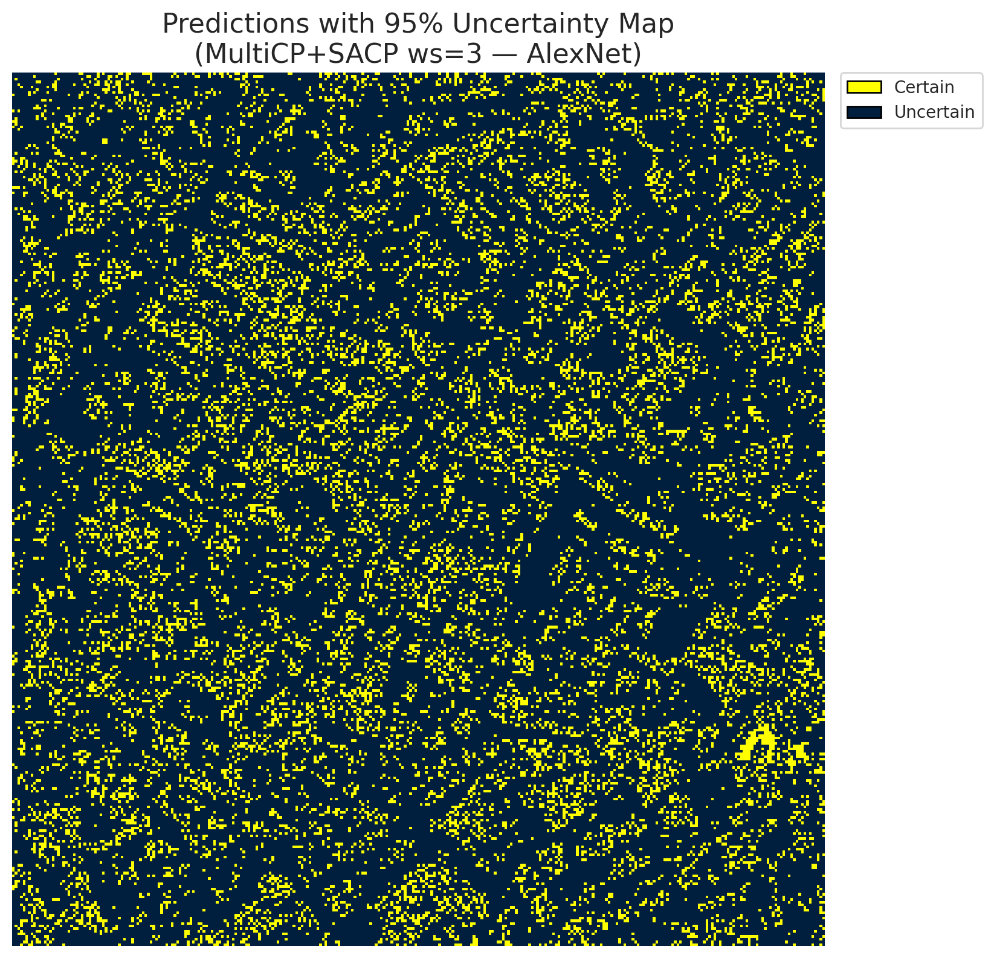
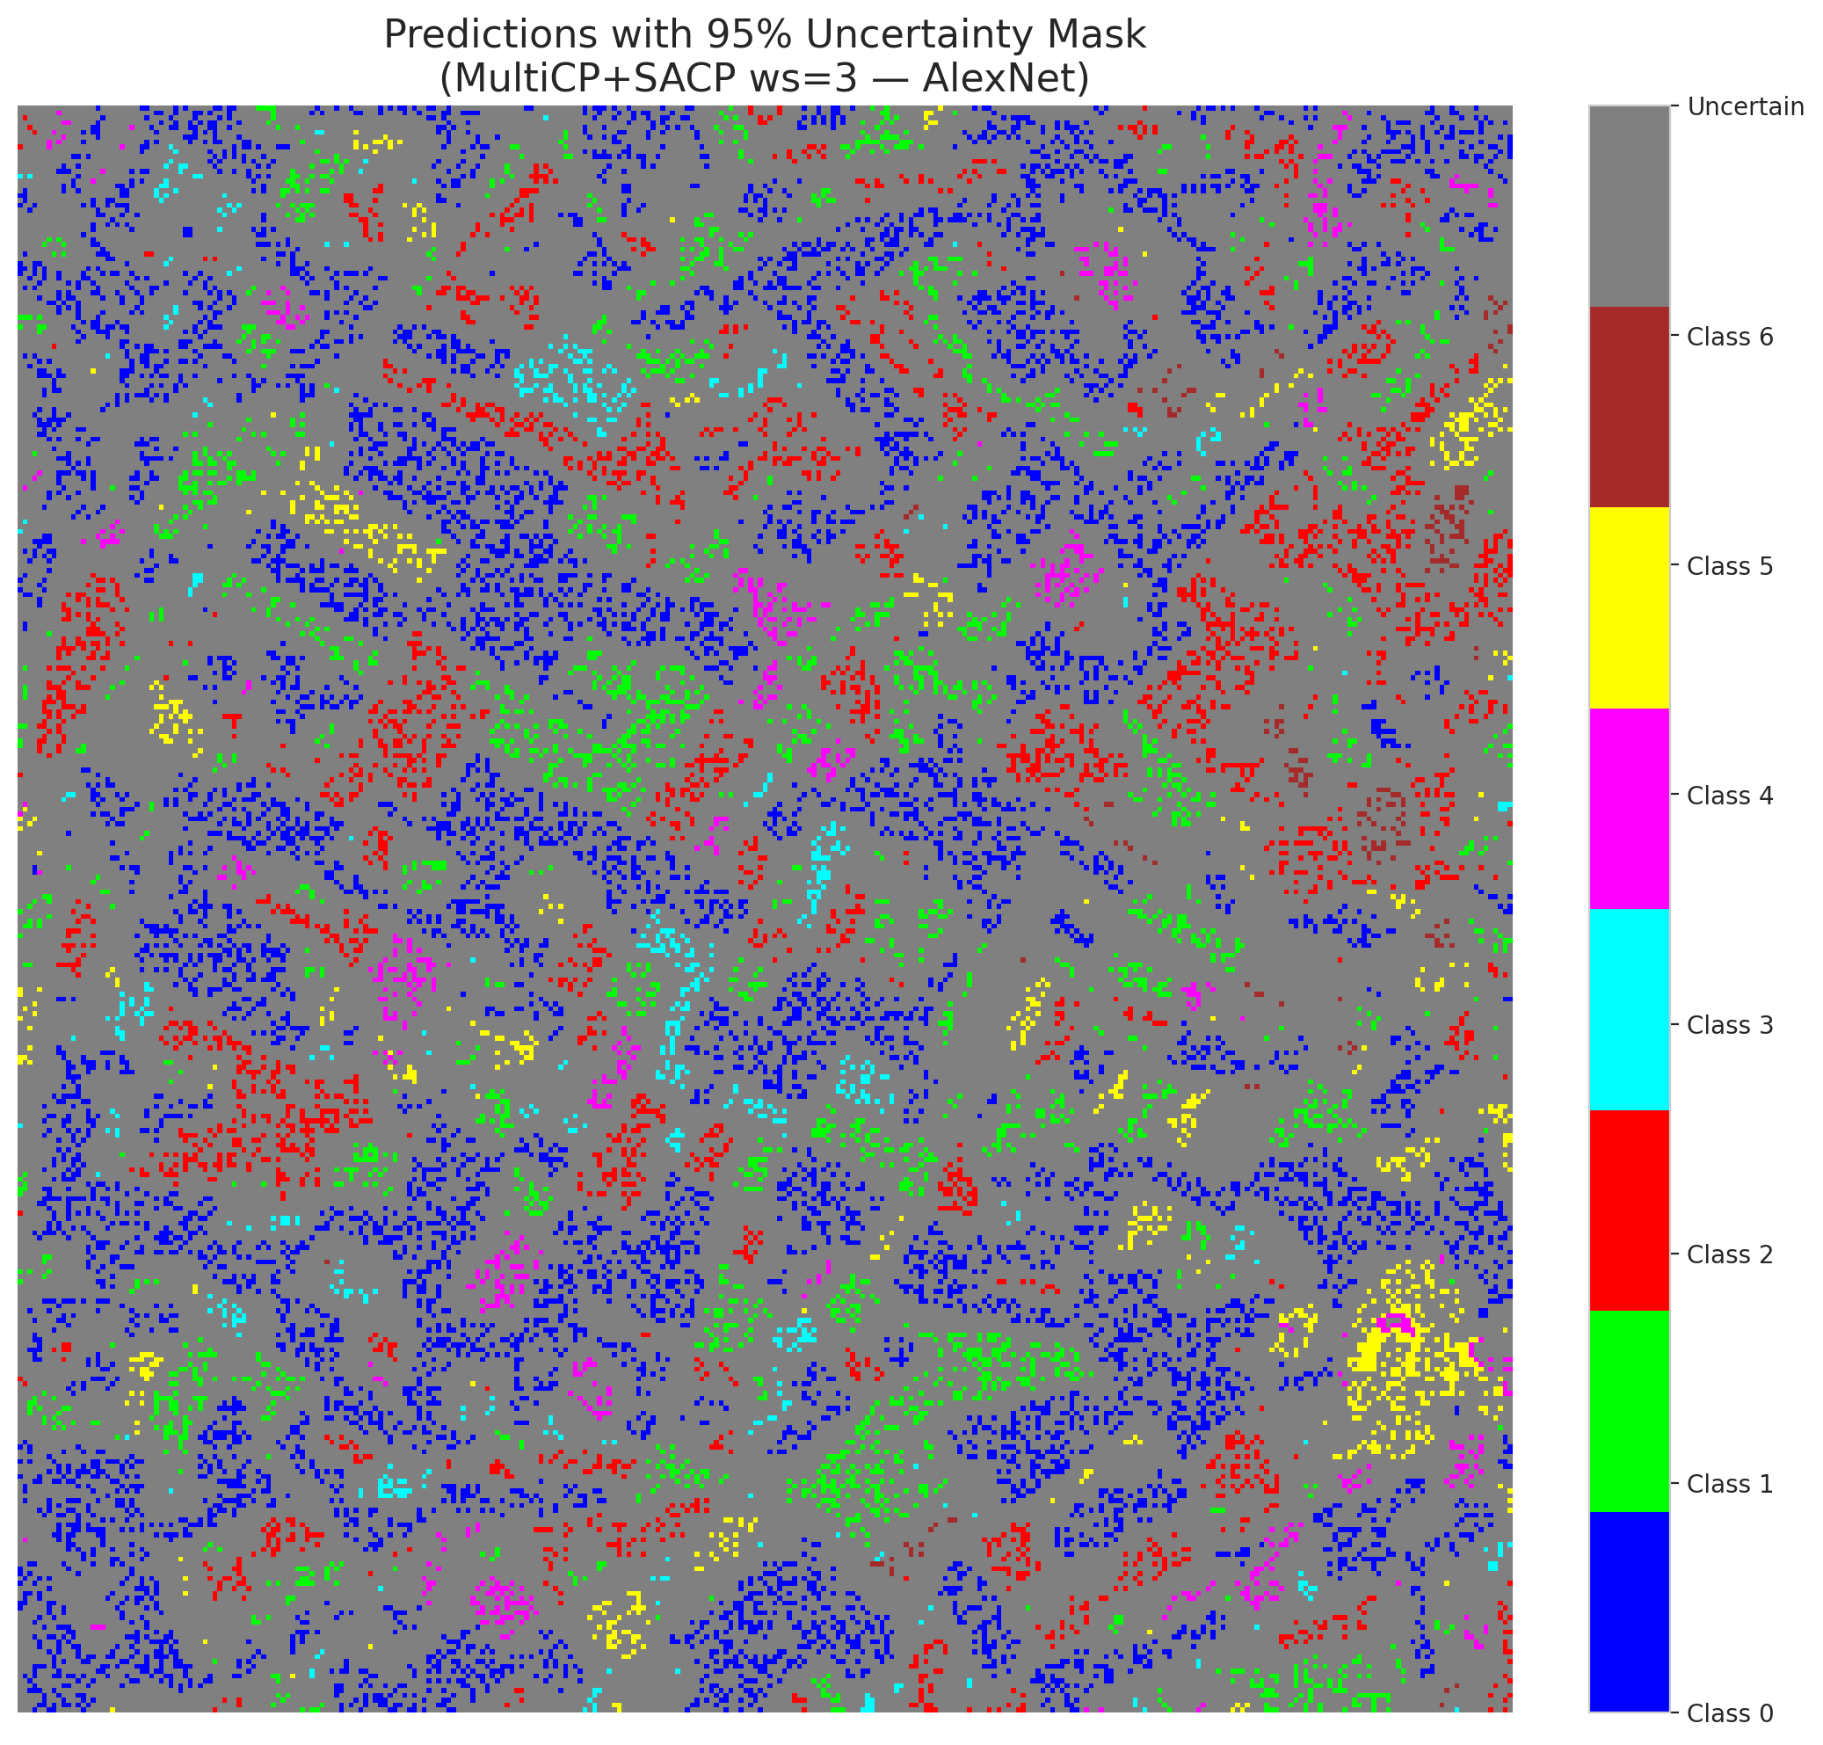
3 | 0.291 | 0.5791 | 48 | 0.45283018868 | 2
4 | 0.5688 | 0.5406 | 23 | 0.21698113208 | 6
5 | 0.0502 | 0.4739 | 56 | 0.52830188679 | 2
6 | 0.4962 | 0.0473 | 84 | 0.79245283019 | 0
7 | 0.066 | 0.6246 | 42 | 0.39622641509 | 0
8 | 0.2265 | 0.9785 | 103 | 0.97169811321 | 0
9 | 0.9042 | 0.9382 | 22 | 0.20754716981 | 1
10 | 0.3677 | 0.4247 | 105 | 0.99056603774 | 3
11 | 0.7832 | 0.2022 | 69 | 0.65094339623 | 0
12 | 0.435 | 0.5395 | 1 | 0.0094339622642 | 4
13 | 0.5912 | 0.673 | 9 | 0.084905660377 | 0
14 | 0.6239 | 0.0947 | 0 | 0 | 5
15 | 0.1311 | 0.2973 | 33 | 0.31132075472 | 0
16 | 0.6156 | 0.437 | 41 | 0.38679245283 | 1
17 | 0.4198 | 0.5578 | 100 | 0.94339622642 | 0
18 | 0.3117 | 0.0788 | 92 | 0.8679245283 | 2
19 | 0.4729 | 0.2261 | 27 | 0.25471698113 | 3
20 | 0.7315 | 0.0283 | 43 | 0.40566037736 | 0
21 | 0.5599 | 0.4891 | 5 | 0.047169811321 | 4
22 | 0.725 | 0.7169 | 39 | 0.3679245283 | 0
23 | 0.2745 | 0.8698 | 52 | 0.49056603774 | 0
24 | 0.4711 | 0.4778 | 49 | 0.46226415094 | 1
25 | 0.586 | 0.0551 | 28 | 0.2641509434 | 2
26 | 0.1465 | 0.9706 | 89 | 0.83962264151 | 4
27 | 0.9971 | 0.0089 | 60 | 0.56603773585 | 1
28 | 0.8211 | 0.4308 | 29 | 0.27358490566 | 0
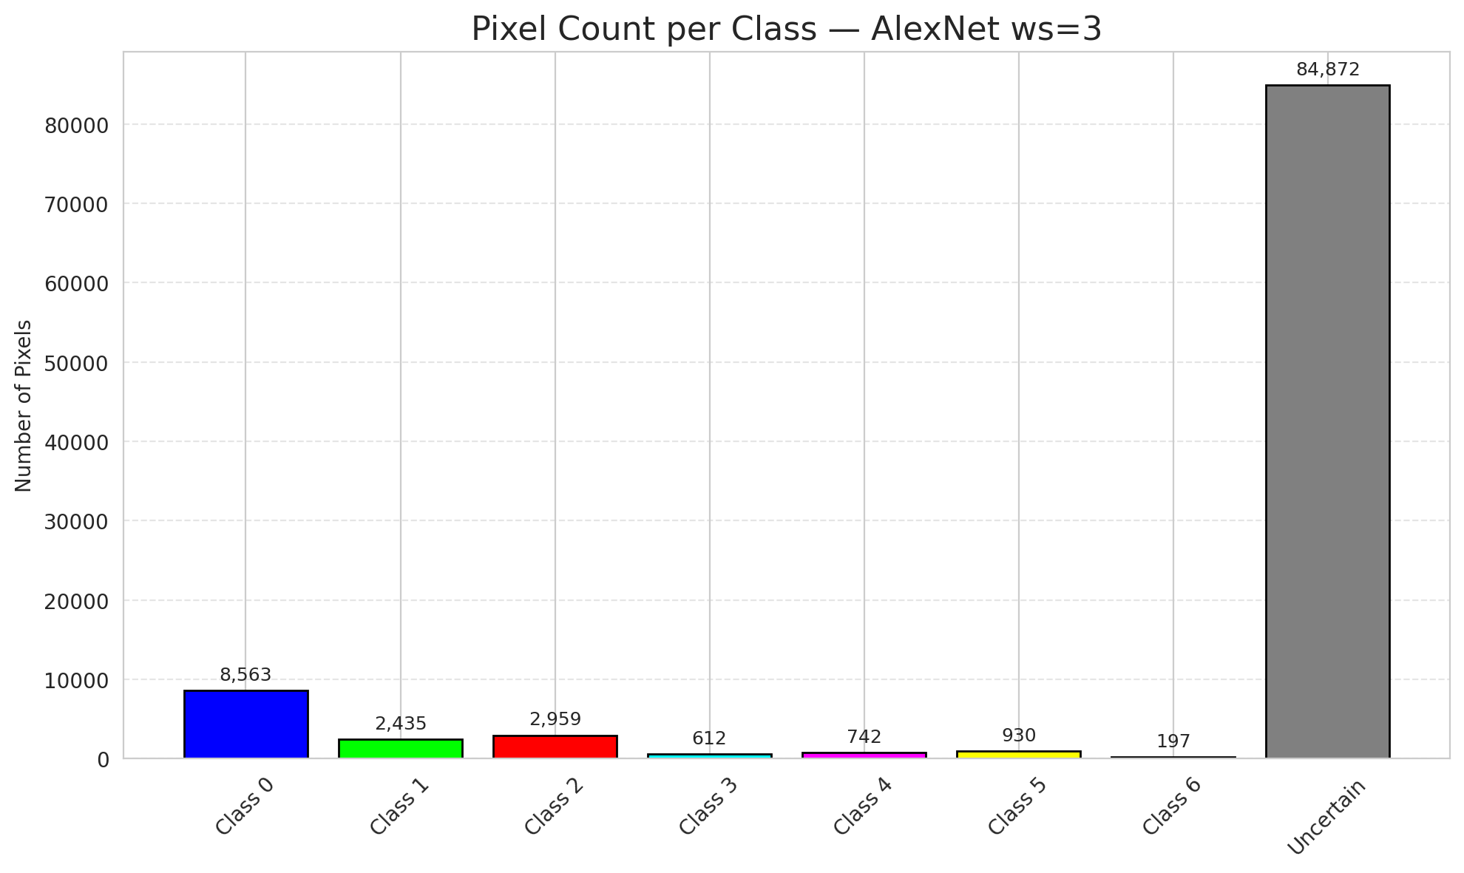
29 | 0.0656 | 0.8219 | 53 | 0.5 | 3
30 | 0.1469 | 0.0878 | 82 | 0.77358490566 | 0
31 | 0.5365 | 0.4693 | 4 | 0.037735849057 | 1
32 | 0.3624 | 0.907 | 11 | 0.10377358491 | 6
33 | 0.5426 | 0.485 | 47 | 0.44339622642 | 0
34 | 0.5872 | 0.6032 | 66 | 0.62264150943 | 5
35 | 0.0357 | 0.7531 | 102 | 0.96226415094 | 2
36 | 0.4012 | 0.7566 | 2 | 0.018867924528 | 5
37 | 0.3636 | 0.1856 | 106 | 1 | 2
38 | 0.6353 | 0.1799 | 64 | 0.60377358491 | 4
39 | 0.5824 | 0.755 | 34 | 0.32075471698 | 1
40 | 0.6323 | 0.1778 | 35 | 0.33018867925 | 0
41 | 0.8632 | 0.2749 | 17 | 0.16037735849 | 0
42 | 0.1404 | 0.969 | 32 | 0.30188679245 | 0
43 | 0.1073 | 0.7999 | 63 | 0.59433962264 | 0
44 | 0.4359 | 0.8861 | 8 | 0.075471698113 | 0
45 | 0.0291 | 0.2068 | 104 | 0.98113207547 | 0
46 | 0.2906 | 0.3994 | 50 | 0.47169811321 | 0
47 | 0.1162 | 0.71 | 80 | 0.75471698113 | 1
48 | 0.9612 | 0.6221 | 46 | 0.43396226415 | 0
49 | 0.9147 | 0.1577 | 58 | 0.54716981132 | 2
50 | 0.4075 | 0.5159 | 70 | 0.66037735849 | 0
51 | 0.0243 | 0.2962 | 13 | 0.12264150943 | 0
52 | 0.9357 | 0.7264 | 72 | 0.67924528302 | 6
53 | 0.9161 | 0.4797 | 3 | 0.028301886792 | 3
54 | 0.6105 | 0.7797 | 20 | 0.18867924528 | 0
55 | 0.6233 | 0.2339 | 87 | 0.82075471698 | 6
56 | 0.3632 | 0.8183 | 15 | 0.14150943396 | 2
57 | 0.849 | 0.208 | 79 | 0.74528301887 | 2
58 | 0.8247 | 0.6967 | 67 | 0.6320754717 | 0
59 | 0.0641 | 0.8426 | 77 | 0.72641509434 | 2
60 | 0.0544 | 0.8496 | 75 | 0.70754716981 | 3
61 | 0.6309 | 0.0882 | 7 | 0.066037735849 | 2
62 | 0.3938 | 0.3108 | 99 | 0.93396226415 | 1
63 | 0.3151 | 0.9821 | 57 | 0.53773584906 | 0
64 | 0.1144 | 0.5474 | 88 | 0.83018867925 | 1
65 | 0.2319 | 0.5739 | 93 | 0.87735849057 | 0
66 | 0.9449 | 0.814 | 101 | 0.95283018868 | 0
67 | 0.8791 | 0.3273 | 73 | 0.68867924528 | 2
68 | 0.3905 | 0.0386 | 36 | 0.33962264151 | 0
69 | 0.7252 | 0.3143 | 78 | 0.7358490566 | 0
70 | 0.5032 | 0.5196 | 21 | 0.19811320755 | 1
71 | 0.2178 | 0.1733 | 24 | 0.22641509434 | 5
72 | 0.5668 | 0.8164 | 37 | 0.34905660377 | 2
73 | 0.2284 | 0.7615 | 55 | 0.51886792453 | 0
74 | 0.7816 | 0.3905 | 96 | 0.90566037736 | 2
75 | 0.177 | 0.0508 | 16 | 0.15094339623 | 5
76 | 0.0224 | 0.042 | 25 | 0.2358490566 | 1
77 | 0.937 | 0.8118 | 10 | 0.094339622642 | 3
78 | 0.0291 | 0.426 | 98 | 0.92452830189 | 0
79 | 0.555 | 0.3582 | 44 | 0.41509433962 | 0
80 | 0.4796 | 0.5369 | 54 | 0.50943396226 | 1
81 | 0.3598 | 0.6374 | 97 | 0.91509433962 | 1
82 | 0.6381 | 0.5092 | 91 | 0.85849056604 | 6
83 | 0.3994 | 0.945 | 14 | 0.1320754717 | 1
84 | 0.8526 | 0.9064 | 12 | 0.11320754717 | 1
85 | 0.0935 | 0.2393 | 81 | 0.7641509434 | 2
86 | 0.1599 | 0.0982 | 38 | 0.35849056604 | 0
87 | 0.9569 | 0.4633 | 68 | 0.64150943396 | 0
88 | 0.3402 | 0.8469 | 86 | 0.81132075472 | 0
89 | 0.2905 | 0.9624 | 30 | 0.28301886792 | 1
90 | 0.4134 | 0.192 | 31 | 0.29245283019 | 2
91 | 0.1459 | 0.1477 | 65 | 0.61320754717 | 0
92 | 0.3105 | 0.9539 | 74 | 0.69811320755 | 0
93 | 0.6102 | 0.2522 | 40 | 0.37735849057 | 4
94 | 0.2547 | 0.5519 | 71 | 0.66981132075 | 1
95 | 0.7082 | 0.9702 | 19 | 0.17924528302 | 0
96 | 0.3009 | 0.2772 | 51 | 0.48113207547 | 2
97 | 0.2667 | 0.7619 | 62 | 0.58490566038 | 0
98 | 0.1681 | 0.399 | 59 | 0.55660377358 | 0
99 | 0.4937 | 0.1552 | 85 | 0.80188679245 | 1
100 | 0.9702 | 0.7514 | 94 | 0.88679245283 | 3
101 | 0.0801 | 0.2066 | 90 | 0.84905660377 | 3
102 | 0.3662 | 0.6197 | 45 | 0.42452830189 | 6
103 | 0.9608 | 0.7115 | 6 | 0.056603773585 | 0
104 | 0.4769 | 0.8892 | 18 | 0.16981132075 | 4
105 | 0.91 | 0.8983 | 61 | 0.57547169811 | 1
106 | 0.7346 | 0.2556 | 76 | 0.71698113208 | 0

GFNet_RAPS_ws3
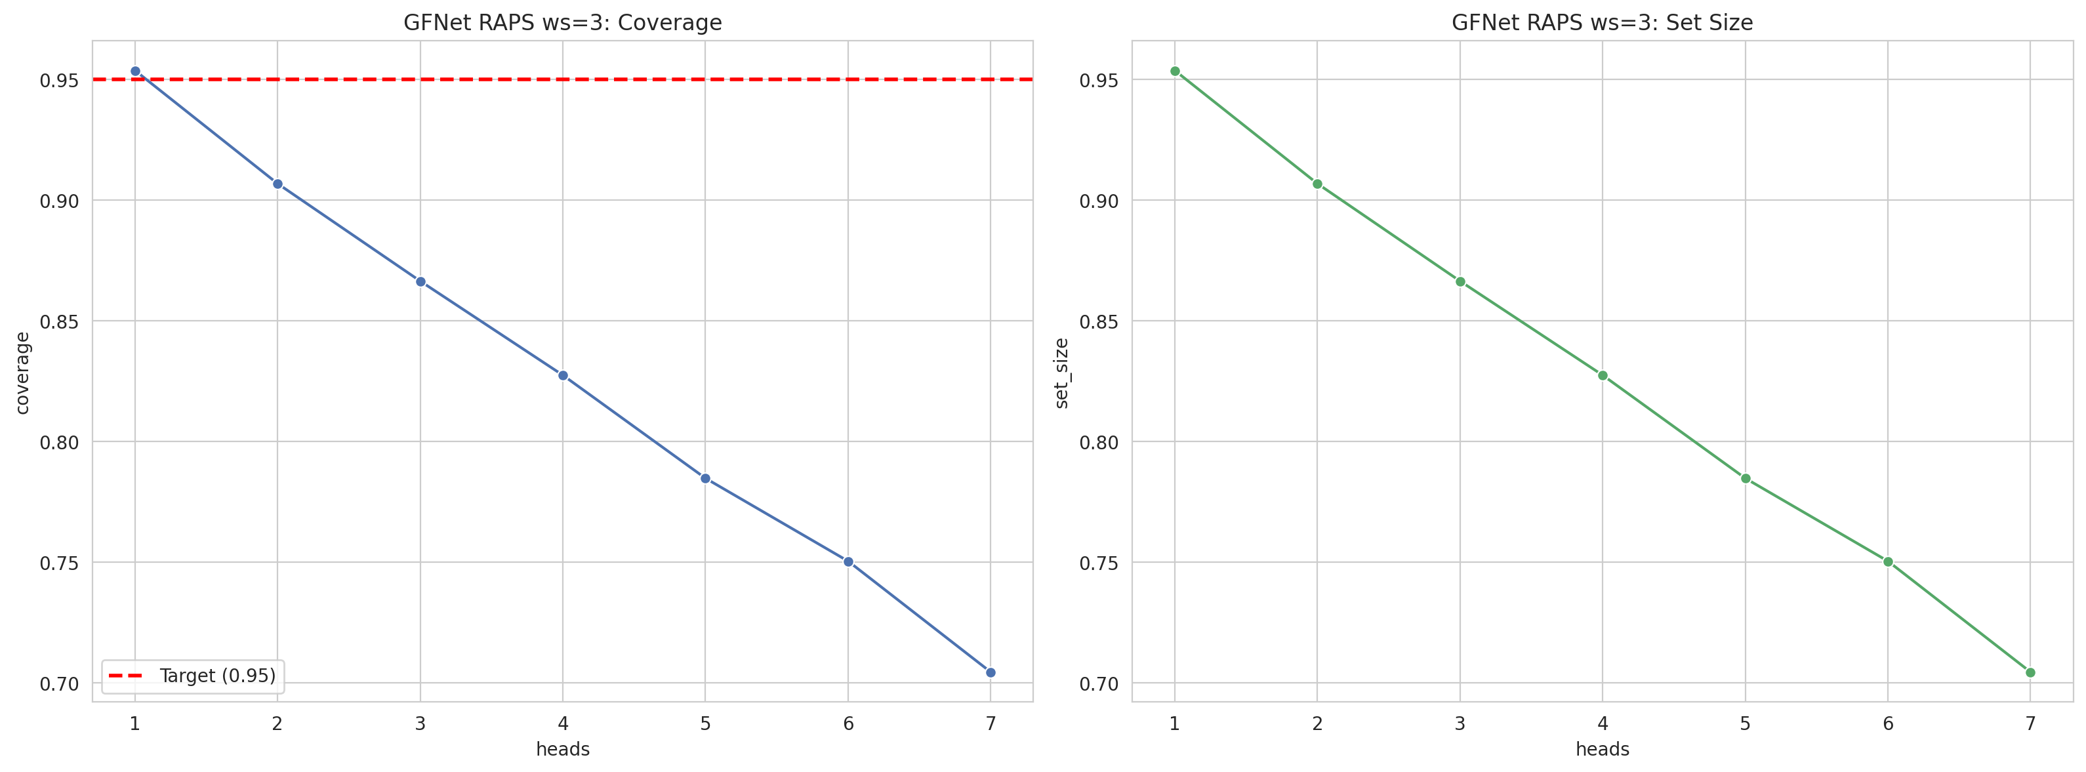
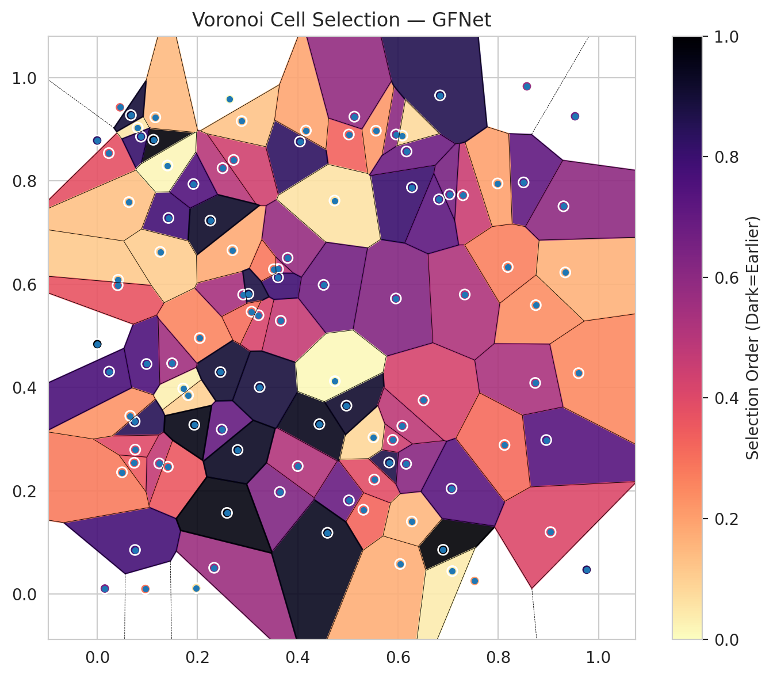
model_key | GFNet_MultiHead
model_name | GFNet
scoring_method | RAPS
window_size | 3
lambda | 0.5
k_iters | 1
empirical_coverage | 0.70440835267
avg_set_size | 0.70440835267
scene_coverage | 0.28431959751
scene_avg_set_size | 0.99326168289
uncertain_pixel_rate | 0.14807027934
mean_per_class_cov | 0.72009935294
runtime_sec | 37.402552776
alpha | 0.05

heads | coverage | set_size |  |  | class_id | class_coverage | support_count | Class | Pixels
1 | 0.9535962877 | 0.9535962877 |  |  | 0 | 0.70240700219 | 914 | Class 0 | 40132
2 | 0.90672853828 | 0.90672853828 |  |  | 1 | 0.70044052863 | 454 | Class 1 | 15628
3 | 0.86635730858 | 0.86635730858 |  |  | 2 | 0.68156424581 | 358 | Class 2 | 16112
4 | 0.82737819026 | 0.82737819026 |  |  | 3 | 0.69871794872 | 156 | Class 3 | 4872
5 | 0.78468677494 | 0.78468677494 |  |  | 4 | 0.74038461538 | 104 | Class 4 | 4151
6 | 0.75034802784 | 0.75034802784 |  |  | 5 | 0.75247524752 | 101 | Class 5 | 3809
7 | 0.70440835267 | 0.70440835267 |  |  | 6 | 0.76470588235 | 68 | Class 6 | 1605
 |  |  |  |  |  |  |  | Uncertain | 15001

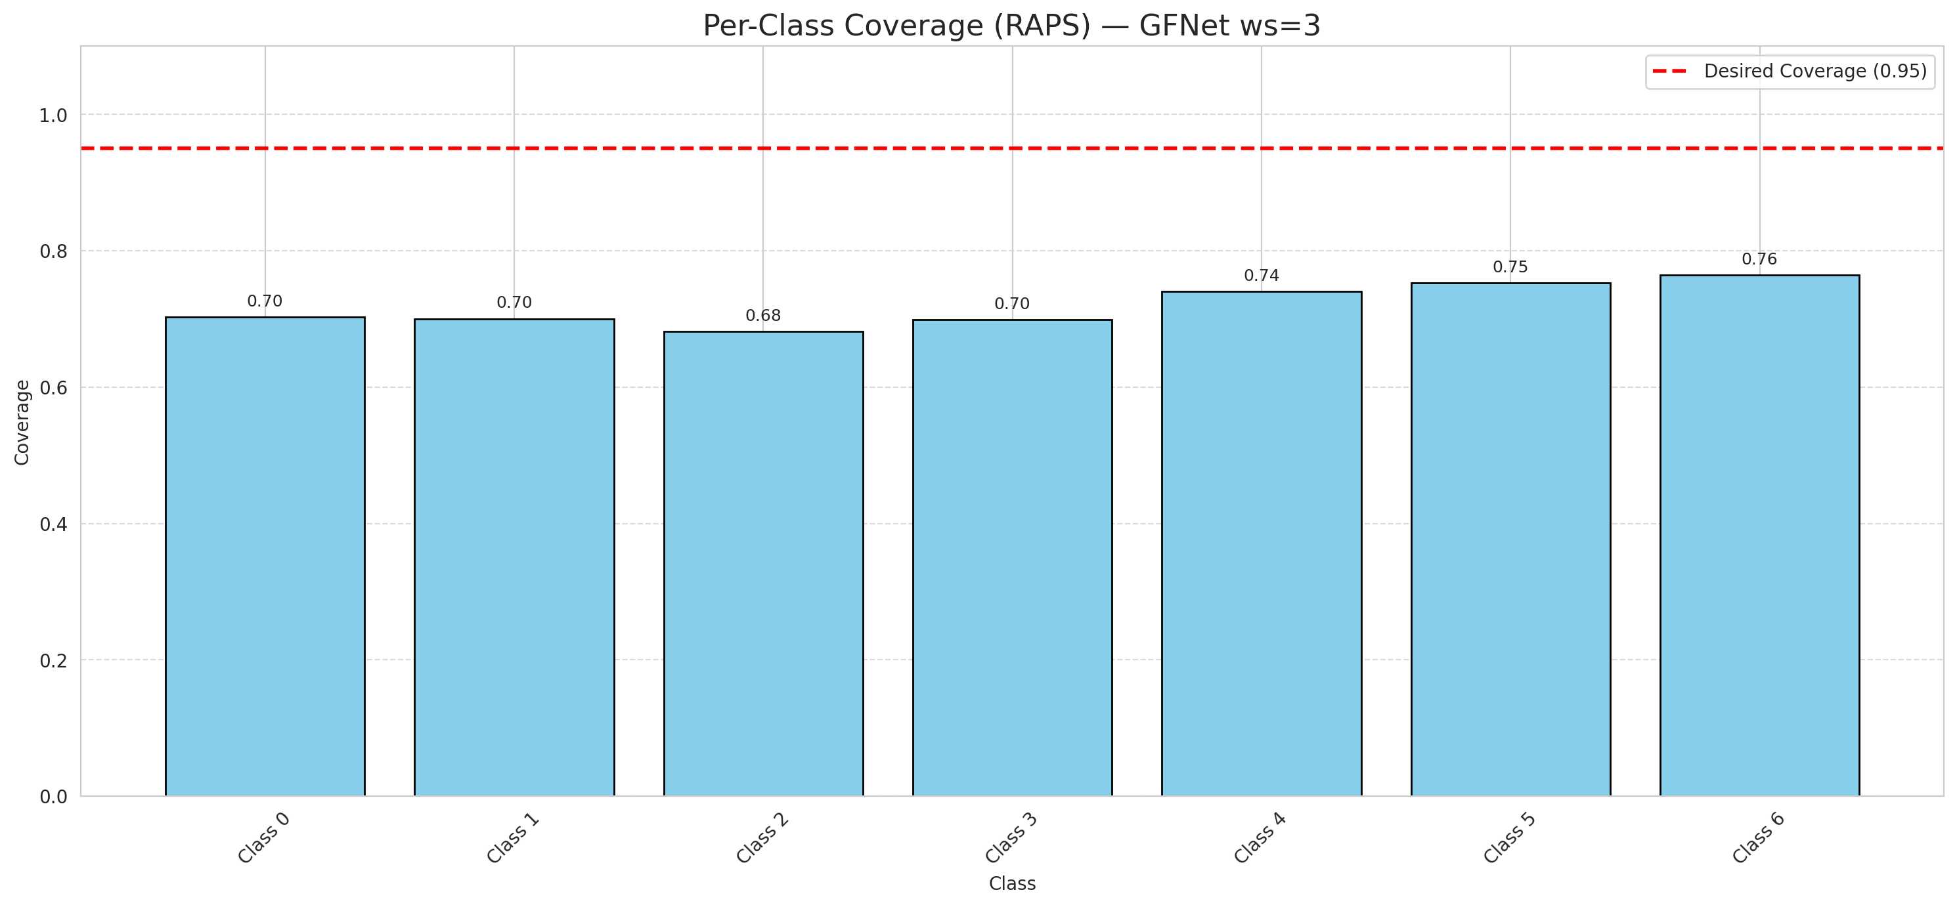

Cell Index | s1 | s2 | Selection_Order | Norm_Order(0-1) | Target
0 | 0.1717 | 0.3981 | 3 | 0.028301886792 | 0
1 | 0.2334 | 0.0512 | 60 | 0.56603773585 | 0
2 | 0.6511 | 0.3753 | 45 | 0.42452830189 | 0
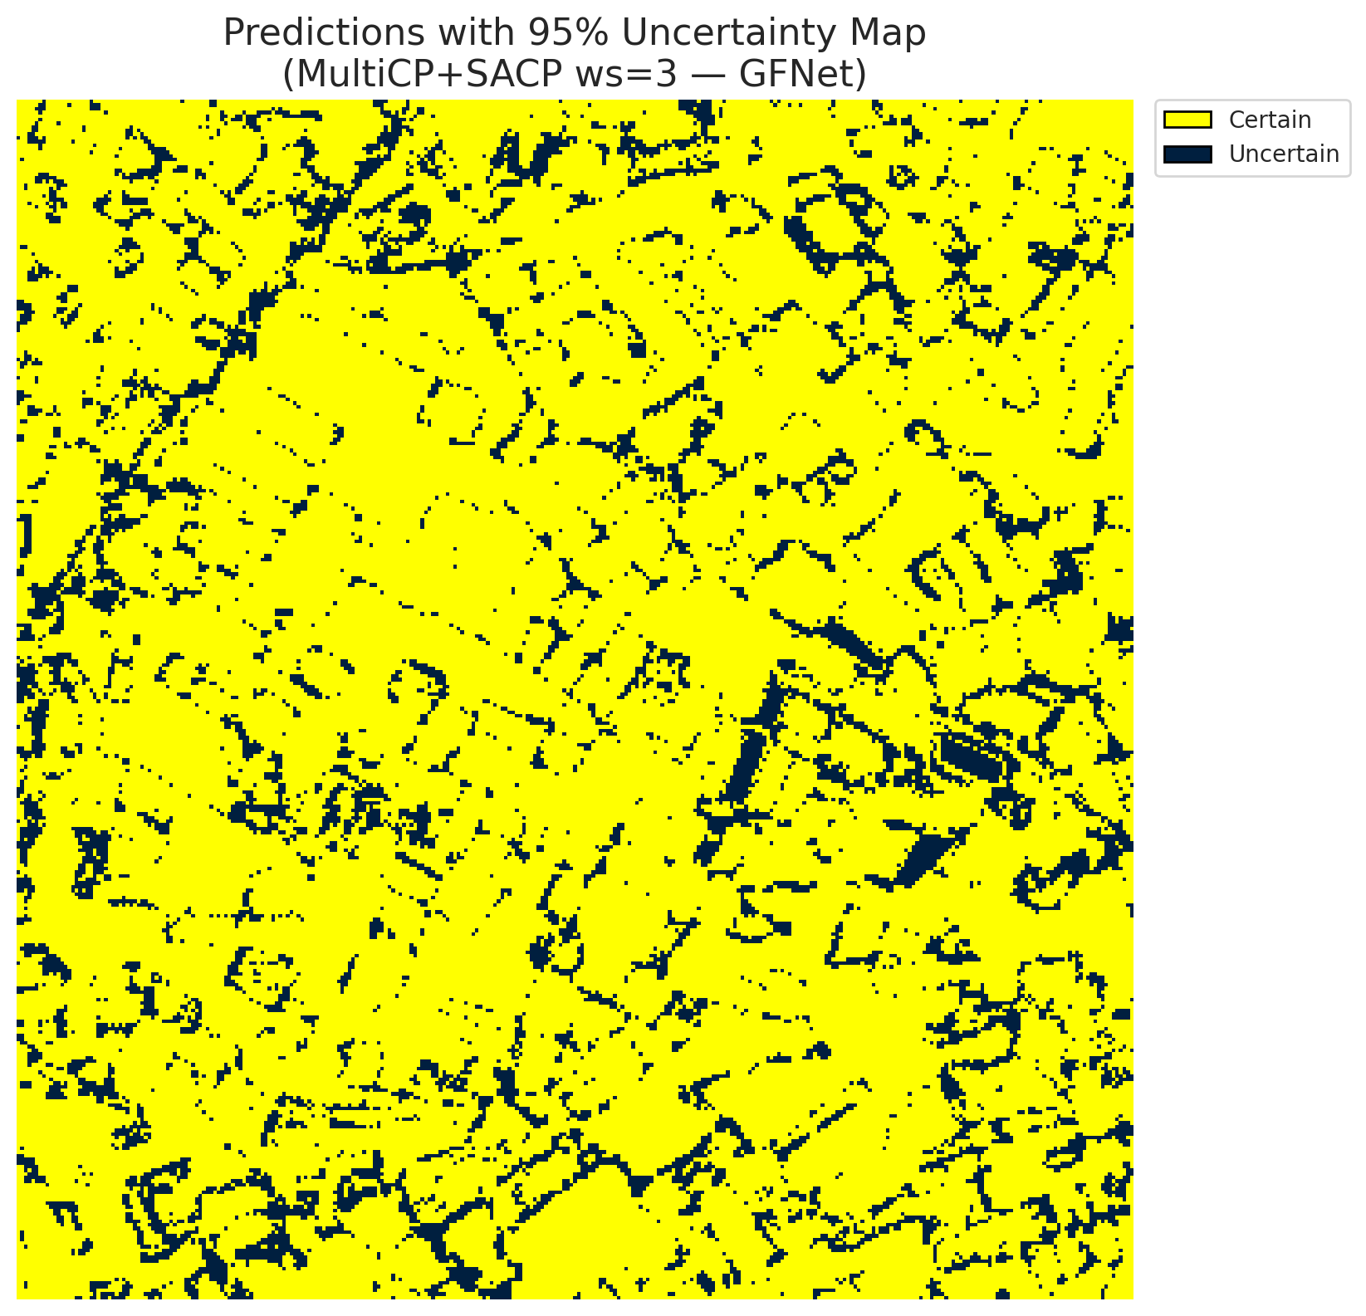
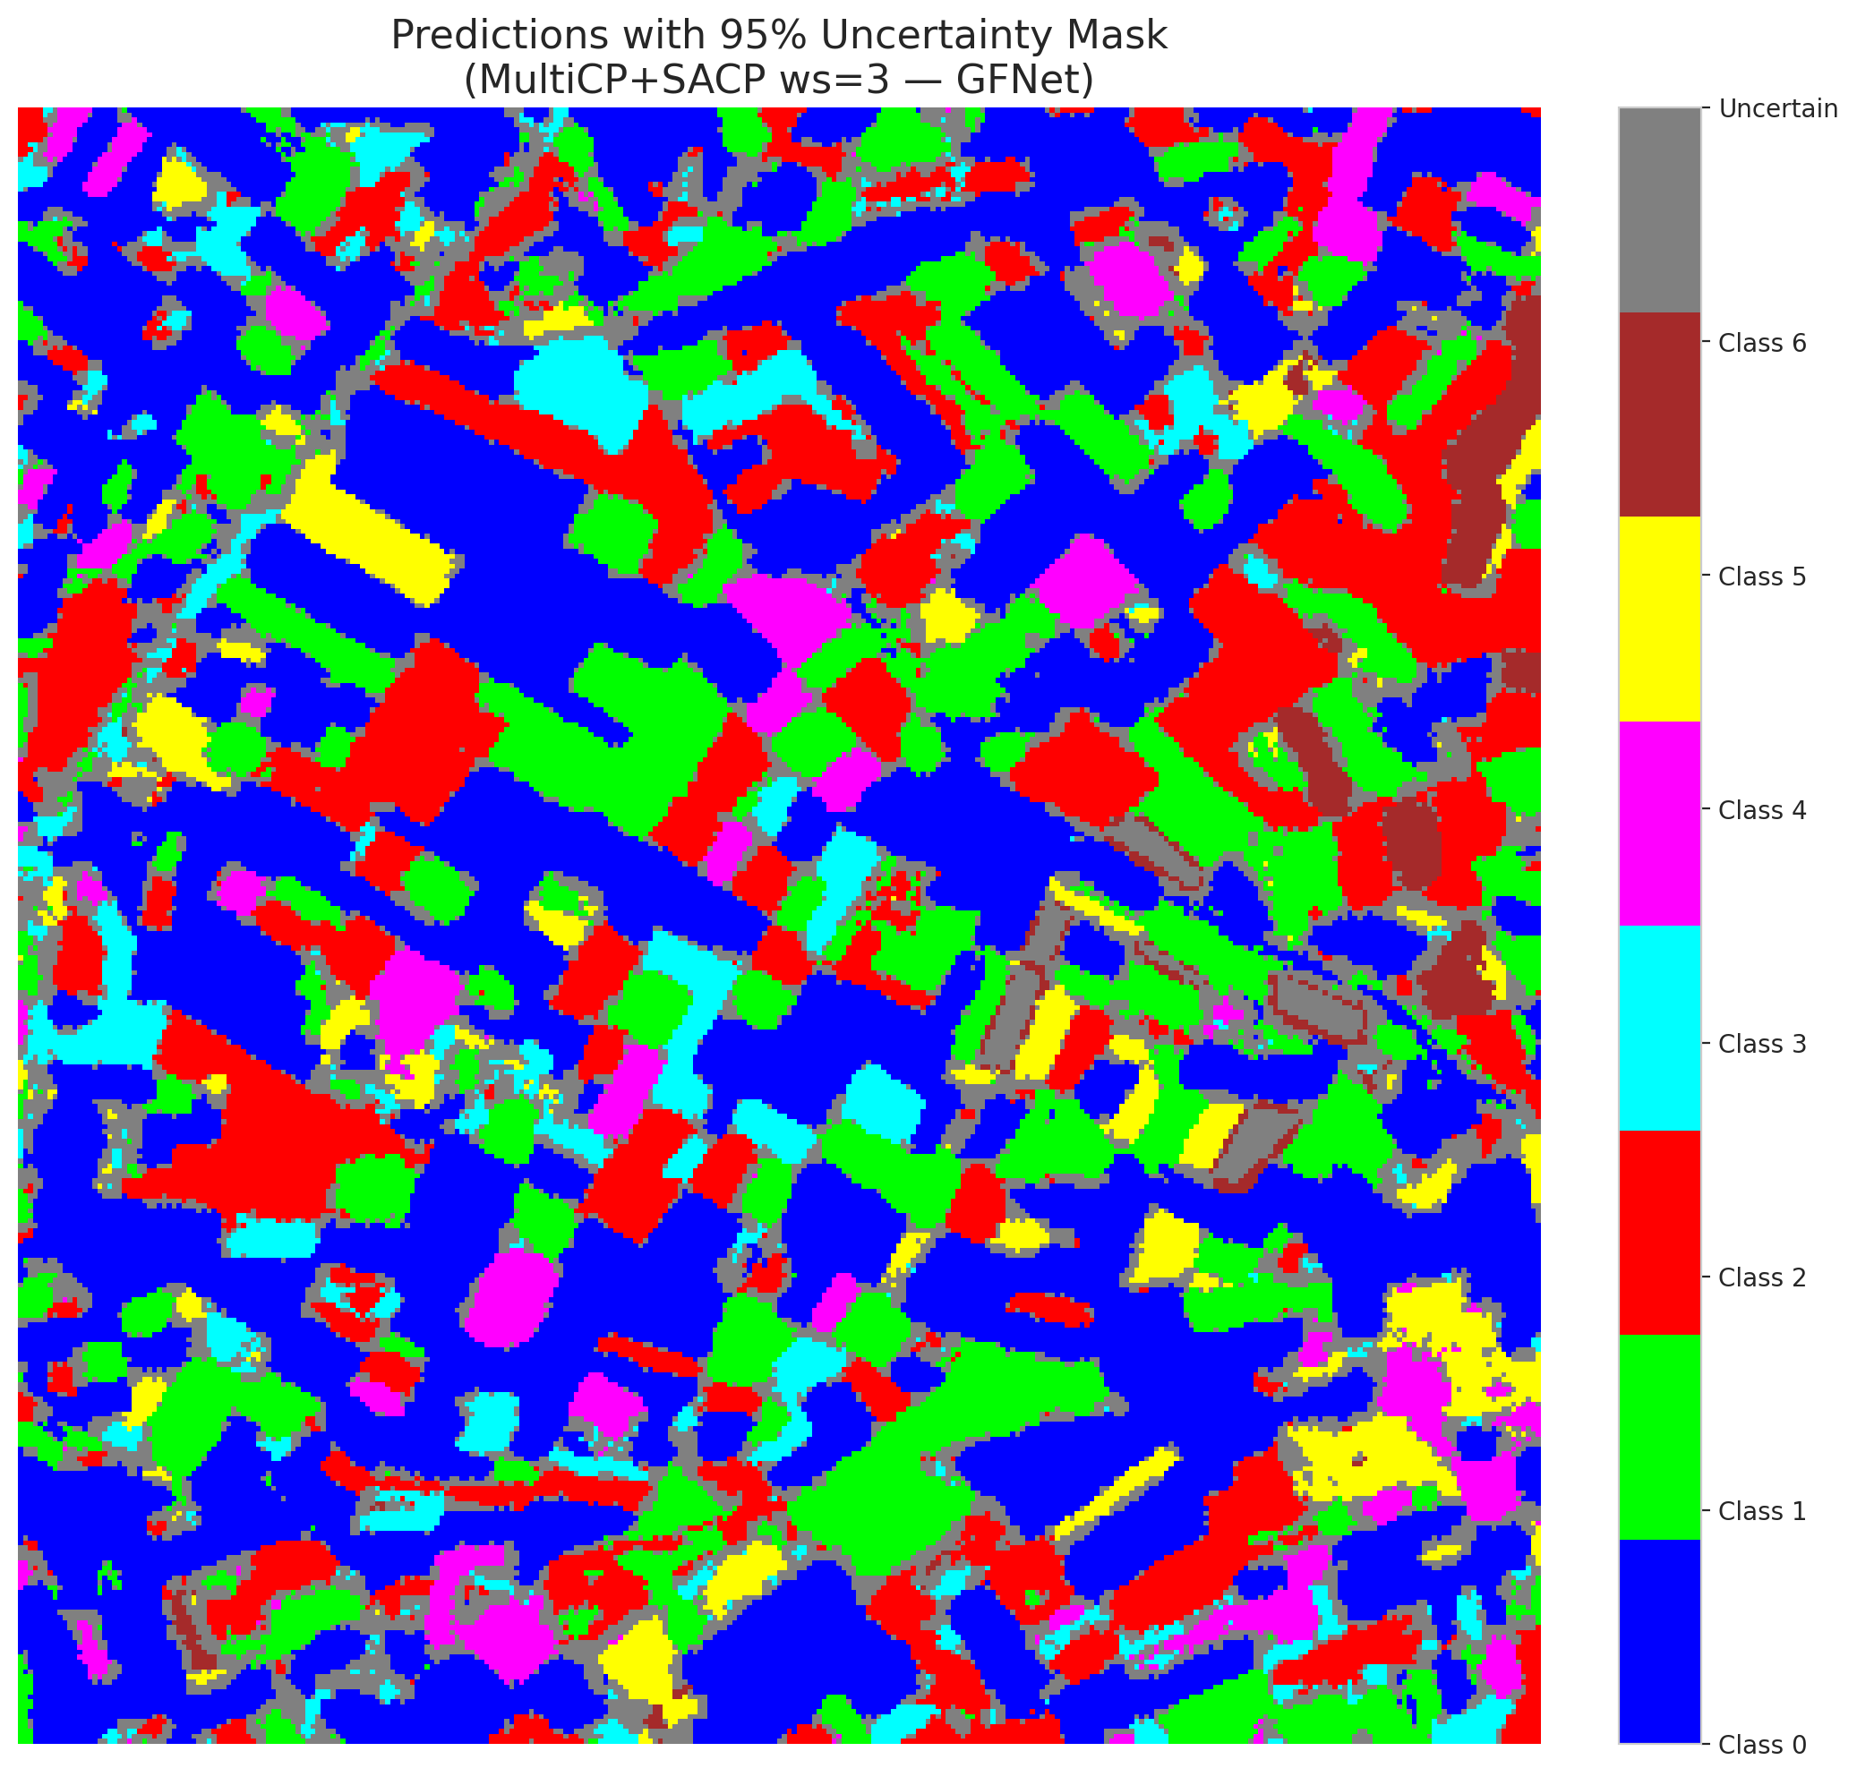
3 | 0.5021 | 0.8896 | 35 | 0.33018867925 | 2
4 | 0.0419 | 0.6085 | 12 | 0.11320754717 | 6
5 | 0.5826 | 0.2549 | 92 | 0.8679245283 | 2
6 | 0.0233 | 0.8536 | 40 | 0.37735849057 | 0
7 | 0.7296 | 0.772 | 48 | 0.45283018868 | 0
8 | 0.0741 | 0.2544 | 37 | 0.34905660377 | 0
9 | 0.6901 | 0.086 | 106 | 1 | 1
10 | 0.5959 | 0.5723 | 66 | 0.62264150943 | 3
11 | 0.5022 | 0.1817 | 73 | 0.68867924528 | 0
12 | 0.4046 | 0.8759 | 88 | 0.83018867925 | 4
13 | 0.9532 | 0.9249 | 71 | 0.66981132075 | 0
14 | 0.8749 | 0.5594 | 25 | 0.2358490566 | 5
15 | 0.3609 | 0.6293 | 52 | 0.49056603774 | 0
16 | 0.1815 | 0.3851 | 10 | 0.094339622642 | 1
17 | 0.2048 | 0.4957 | 27 | 0.25471698113 | 0
18 | 0.2486 | 0.3187 | 74 | 0.69811320755 | 2
19 | 0.2913 | 0.5798 | 57 | 0.53773584906 | 3
20 | 0.5962 | 0.8897 | 64 | 0.60377358491 | 0
21 | 0.1122 | 0.8794 | 104 | 0.98113207547 | 4
22 | 0.0456 | 0.9422 | 36 | 0.33962264151 | 0
23 | 0.2502 | 0.8245 | 53 | 0.5 | 0
24 | 0.5311 | 0.1635 | 34 | 0.32075471698 | 1
25 | 0.8505 | 0.7969 | 75 | 0.70754716981 | 2
26 | 0.5528 | 0.2218 | 41 | 0.38679245283 | 4
27 | 0.6279 | 0.7873 | 85 | 0.80188679245 | 1
28 | 0.2699 | 0.6656 | 19 | 0.17924528302 | 0

29 | 0.2461 | 0.4299 | 96 | 0.90566037736 | 3
30 | 0.2723 | 0.8404 | 46 | 0.43396226415 | 0
31 | 0.1423 | 0.7281 | 83 | 0.78301886792 | 1
32 | 0.0749 | 0.3345 | 90 | 0.84905660377 | 6
33 | 0.1161 | 0.9228 | 15 | 0.14150943396 | 0
34 | 0.7987 | 0.7949 | 21 | 0.19811320755 | 5
35 | 0.556 | 0.8969 | 23 | 0.21698113208 | 2
36 | 0.8957 | 0.2984 | 78 | 0.7358490566 | 5
37 | 0.7332 | 0.58 | 55 | 0.51886792453 | 2
38 | 0.0985 | 0.4455 | 80 | 0.75471698113 | 4
39 | 0.3662 | 0.5292 | 49 | 0.46226415094 | 1
40 | 0.8189 | 0.6332 | 28 | 0.2641509434 | 0
41 | 0.081 | 0.9026 | 5 | 0.047169811321 | 0
42 | 0.0875 | 0.8854 | 86 | 0.81132075472 | 0
43 | 0.0001 | 0.878 | 87 | 0.82075471698 | 0
44 | 0.3799 | 0.6509 | 61 | 0.57547169811 | 0
45 | 0.9337 | 0.6228 | 17 | 0.16037735849 | 0
46 | 0.2884 | 0.9156 | 13 | 0.12264150943 | 0
47 | 0.0154 | 0.0111 | 68 | 0.64150943396 | 1
48 | 0.684 | 0.9653 | 91 | 0.85849056604 | 0
49 | 0.0634 | 0.7588 | 14 | 0.1320754717 | 2
50 | 0.4433 | 0.3291 | 101 | 0.95283018868 | 0
51 | 0.7529 | 0.0258 | 22 | 0.20754716981 | 0
52 | 0.4594 | 0.1189 | 100 | 0.94339622642 | 6
53 | 0.041 | 0.598 | 39 | 0.3679245283 | 3
54 | 0.124 | 0.2531 | 50 | 0.47169811321 | 0
55 | 0.8571 | 0.9828 | 59 | 0.55660377358 | 6
56 | 0.0004 | 0.484 | 105 | 0.99056603774 | 2
57 | 0.1496 | 0.4469 | 58 | 0.54716981132 | 2
58 | 0.141 | 0.2467 | 38 | 0.35849056604 | 0
59 | 0.6277 | 0.1408 | 16 | 0.15094339623 | 2
60 | 0.9602 | 0.4278 | 26 | 0.24528301887 | 3
61 | 0.5895 | 0.2987 | 47 | 0.44339622642 | 2
62 | 0.3219 | 0.5399 | 44 | 0.41509433962 | 1
63 | 0.1977 | 0.0119 | 7 | 0.066037735849 | 0
64 | 0.2259 | 0.723 | 98 | 0.92452830189 | 1
65 | 0.3644 | 0.1978 | 67 | 0.6320754717 | 0
66 | 0.7028 | 0.7737 | 69 | 0.65094339623 | 0
67 | 0.9044 | 0.1203 | 43 | 0.40566037736 | 2
68 | 0.076 | 0.2798 | 42 | 0.39622641509 | 0
69 | 0.1259 | 0.6625 | 11 | 0.10377358491 | 0
70 | 0.0756 | 0.0857 | 82 | 0.77358490566 | 1
71 | 0.8737 | 0.4089 | 56 | 0.52830188679 | 5
72 | 0.5511 | 0.3036 | 9 | 0.084905660377 | 2
73 | 0.4164 | 0.8973 | 20 | 0.18867924528 | 0
74 | 0.6163 | 0.2524 | 65 | 0.61320754717 | 2
75 | 0.1921 | 0.7938 | 79 | 0.74528301887 | 5
76 | 0.0497 | 0.236 | 29 | 0.27358490566 | 1
77 | 0.4001 | 0.248 | 54 | 0.50943396226 | 3
78 | 0.9763 | 0.0475 | 89 | 0.83962264151 | 0
79 | 0.2591 | 0.1574 | 103 | 0.97169811321 | 0
80 | 0.5131 | 0.9241 | 62 | 0.58490566038 | 1
81 | 0.3242 | 0.4008 | 94 | 0.88679245283 | 1
82 | 0.1938 | 0.3279 | 102 | 0.96226415094 | 6
83 | 0.0674 | 0.927 | 95 | 0.89622641509 | 1
84 | 0.0963 | 0.0103 | 31 | 0.29245283019 | 1
85 | 0.9301 | 0.7507 | 63 | 0.59433962264 | 2
86 | 0.4973 | 0.3649 | 97 | 0.91509433962 | 0
87 | 0.6087 | 0.3258 | 51 | 0.48113207547 | 0
88 | 0.2645 | 0.9578 | 0 | 0 | 0
89 | 0.0661 | 0.3451 | 24 | 0.22641509434 | 1
90 | 0.6818 | 0.7641 | 76 | 0.71698113208 | 2
91 | 0.3608 | 0.6131 | 84 | 0.79245283019 | 0
92 | 0.1404 | 0.8295 | 2 | 0.018867924528 | 0
93 | 0.7069 | 0.2044 | 77 | 0.72641509434 | 4
94 | 0.4735 | 0.7617 | 6 | 0.056603773585 | 1
95 | 0.6043 | 0.0586 | 18 | 0.16981132075 | 0
96 | 0.8125 | 0.2888 | 33 | 0.31132075472 | 2
97 | 0.0239 | 0.4308 | 81 | 0.7641509434 | 0
98 | 0.4517 | 0.5986 | 70 | 0.66037735849 | 0
99 | 0.4742 | 0.4123 | 1 | 0.0094339622642 | 1
100 | 0.3525 | 0.6289 | 30 | 0.28301886792 | 3
101 | 0.7084 | 0.0448 | 4 | 0.037735849057 | 3
102 | 0.3018 | 0.5812 | 93 | 0.87735849057 | 6
103 | 0.3081 | 0.5467 | 32 | 0.30188679245 | 0
104 | 0.6171 | 0.8568 | 72 | 0.67924528302 | 4
105 | 0.2801 | 0.2792 | 99 | 0.93396226415 | 1
106 | 0.6087 | 0.8874 | 8 | 0.075471698113 | 0

GFNet_SAPS_ws3
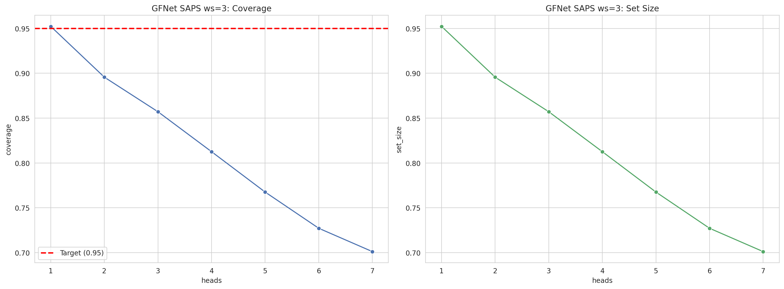
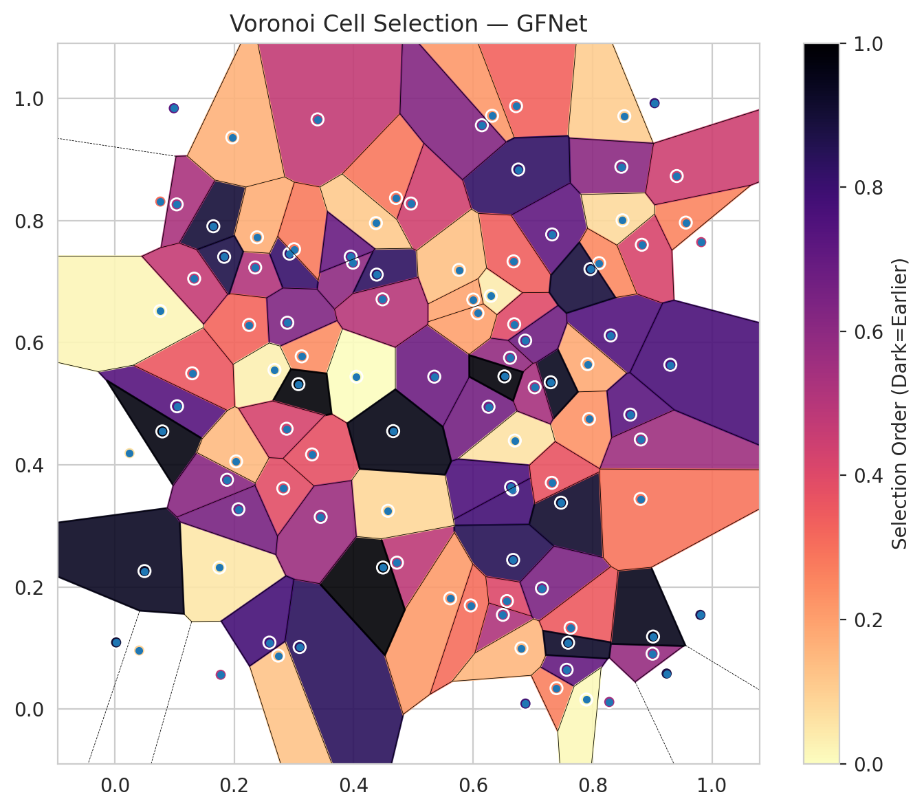
model_key | GFNet_MultiHead
model_name | GFNet
scoring_method | SAPS
window_size | 3
lambda | 0.5
k_iters | 1
empirical_coverage | 0.70116009281
avg_set_size | 0.70116009281
scene_coverage | 0.26090081457
scene_avg_set_size | 0.89582899163
uncertain_pixel_rate | 0.81867535288
mean_per_class_cov | 0.7167043898
runtime_sec | 34.538500925
alpha | 0.05

heads | coverage | set_size |  |  | class_id | class_coverage | support_count | Class | Pixels
1 | 0.95220417633 | 0.95220417633 |  |  | 0 | 0.68708971554 | 914 | Class 0 | 9766
2 | 0.89559164733 | 0.89559164733 |  |  | 1 | 0.69383259912 | 454 | Class 1 | 3018
3 | 0.85707656613 | 0.85707656613 |  |  | 2 | 0.71508379888 | 358 | Class 2 | 3255
4 | 0.81252900232 | 0.81252900232 |  |  | 3 | 0.69871794872 | 156 | Class 3 | 721
5 | 0.76751740139 | 0.76751740139 |  |  | 4 | 0.77884615385 | 104 | Class 4 | 768
6 | 0.72714617169 | 0.72714617169 |  |  | 5 | 0.72277227723 | 101 | Class 5 | 561
7 | 0.70116009281 | 0.70116009281 |  |  | 6 | 0.72058823529 | 68 | Class 6 | 281
 |  |  |  |  |  |  |  | Uncertain | 82940

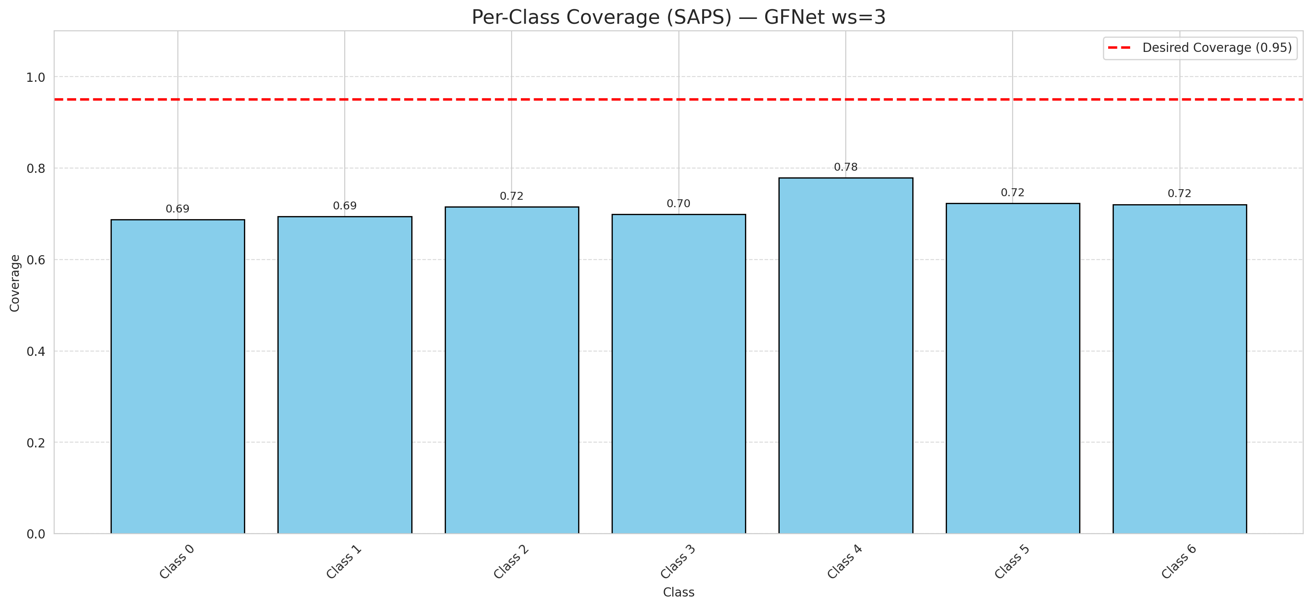

Cell Index | s1 | s2 | Selection_Order | Norm_Order(0-1) | Target
0 | 0.6297 | 0.6767 | 4 | 0.037735849057 | 0
1 | 0.165 | 0.7907 | 95 | 0.89622641509 | 0
2 | 0.2351 | 0.7232 | 54 | 0.50943396226 | 0
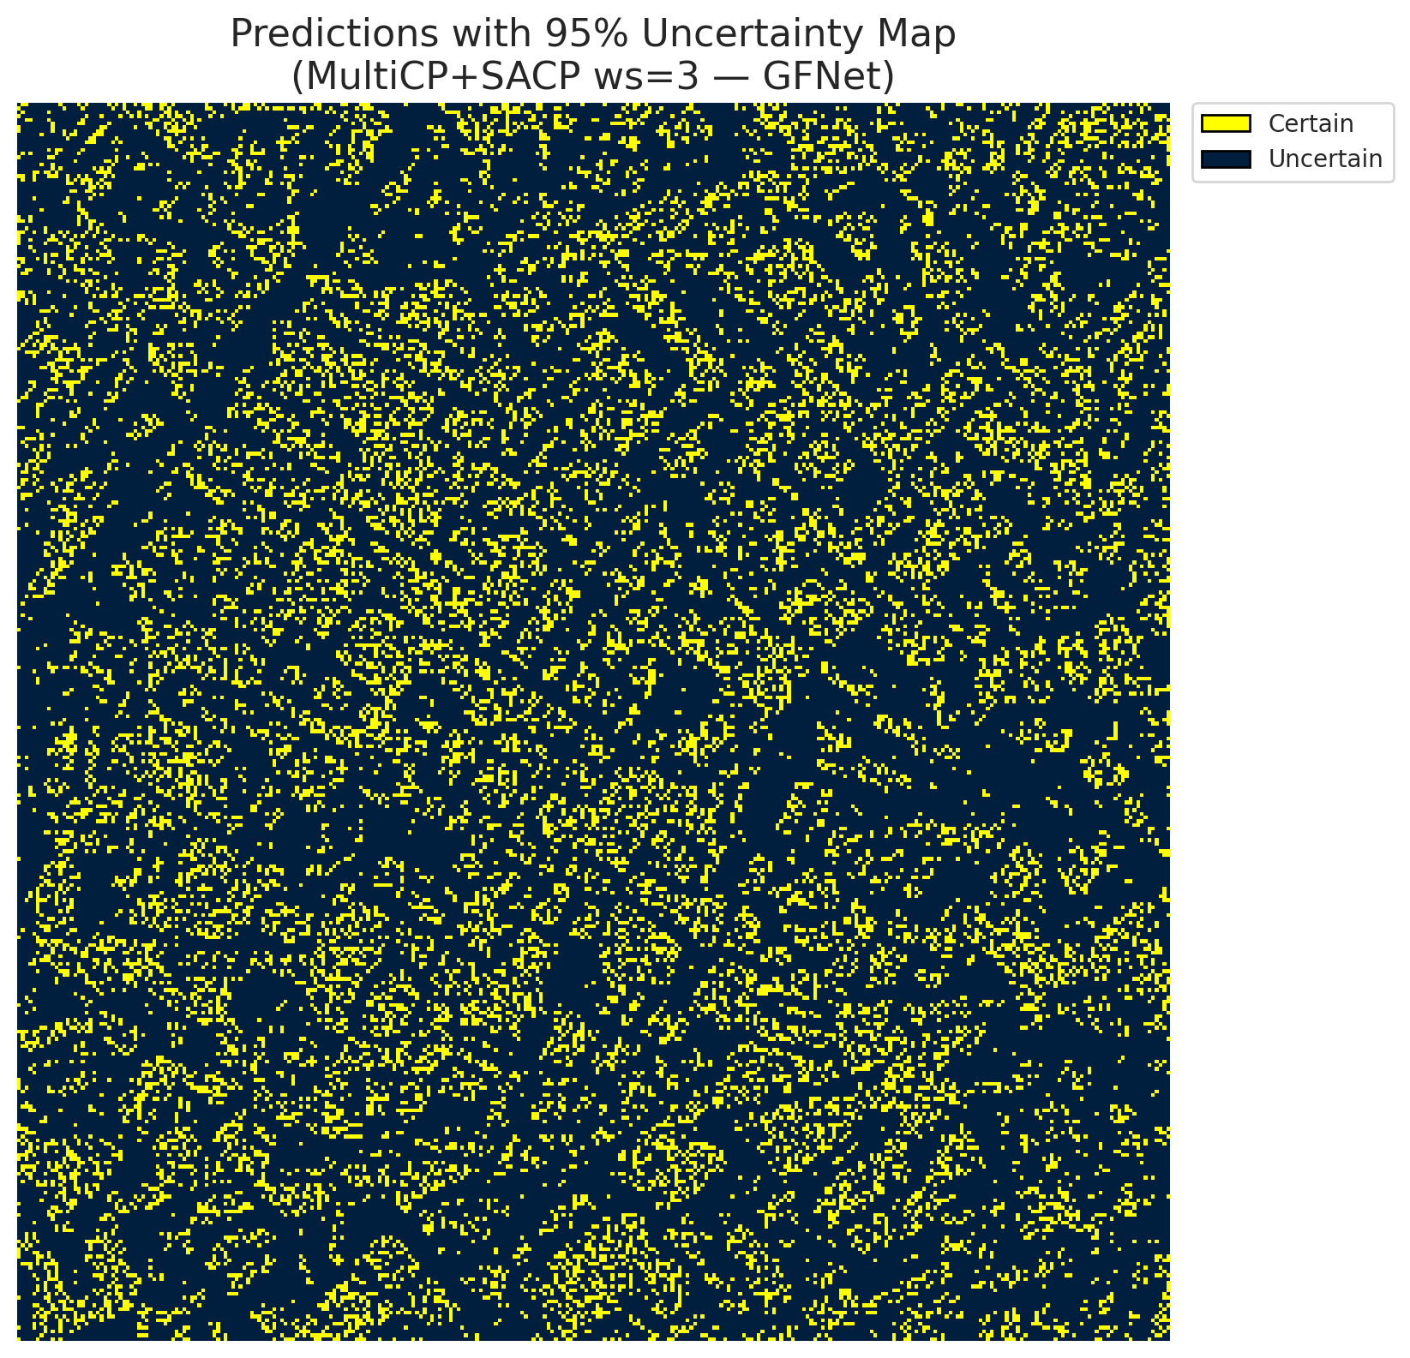
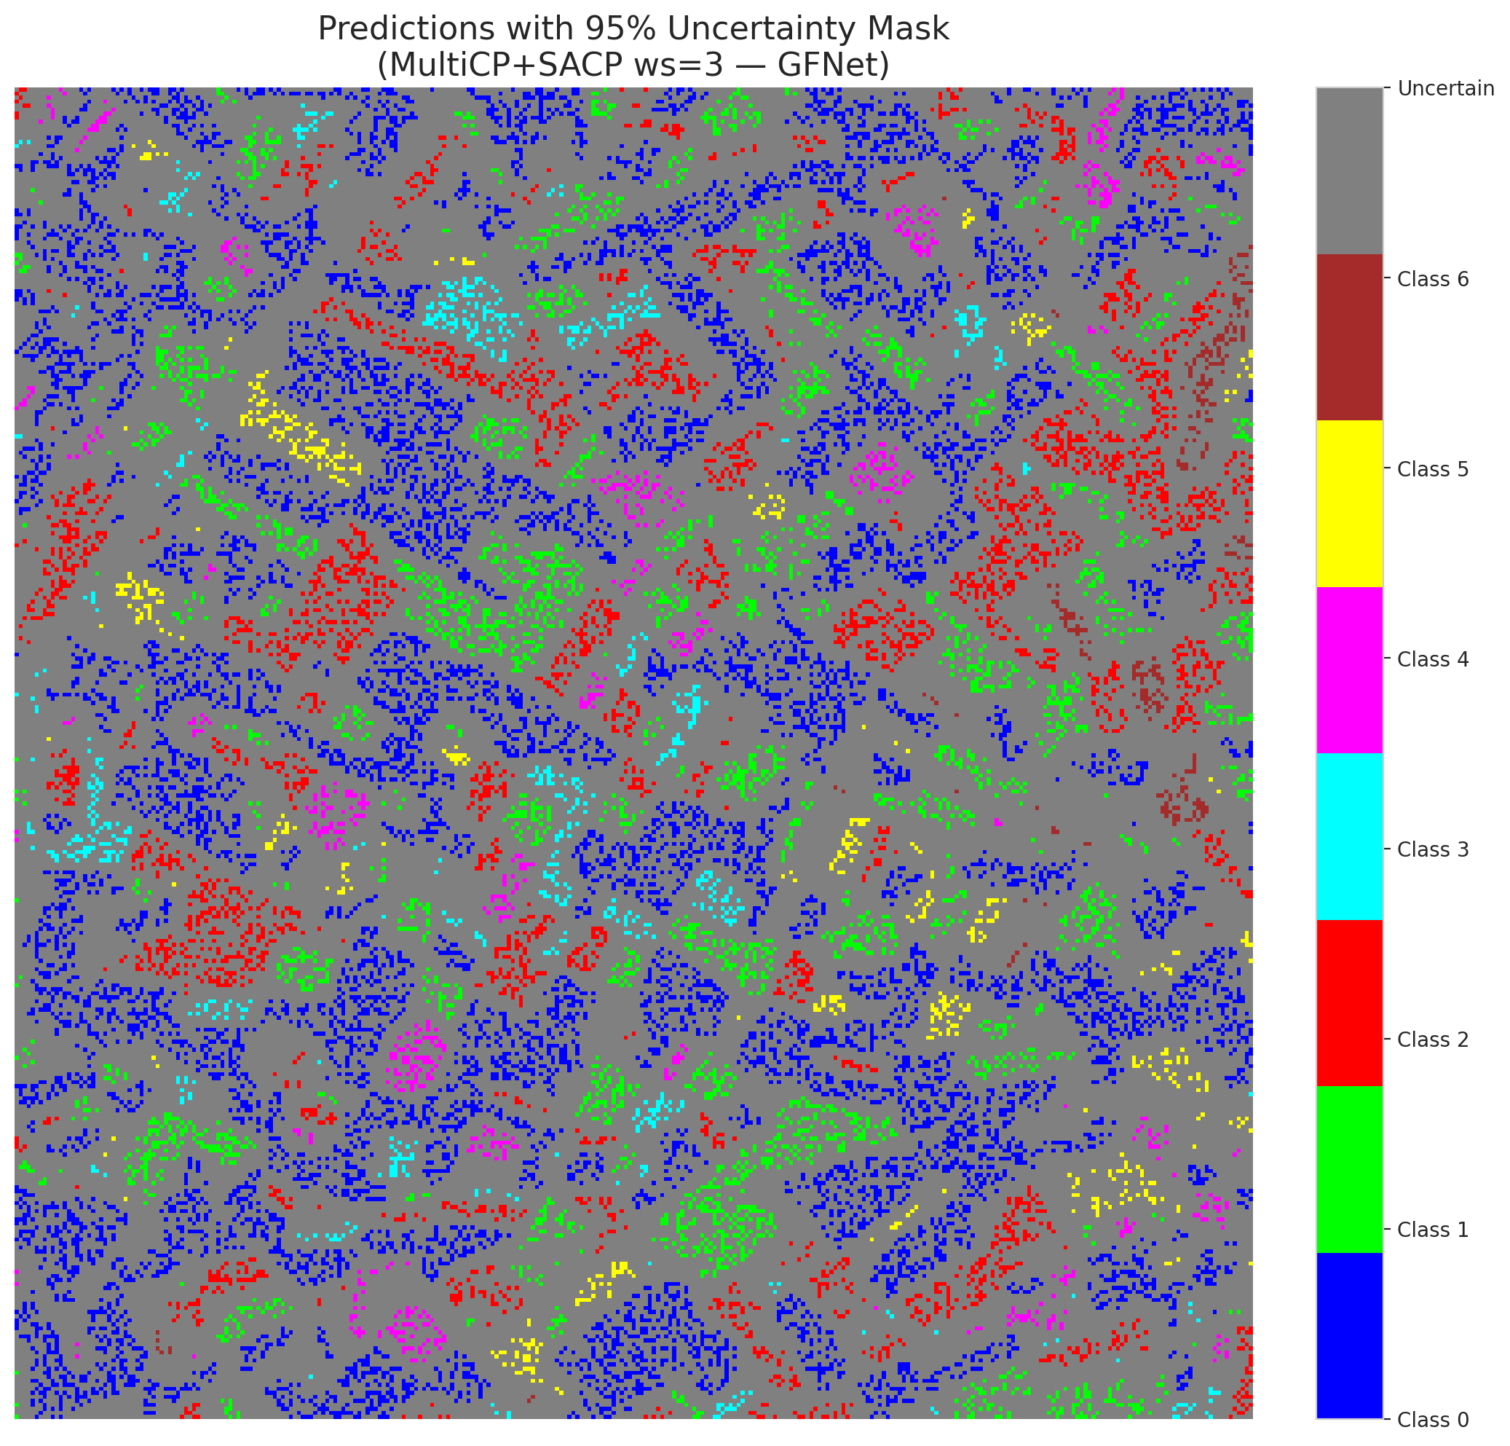
3 | 0.672 | 0.9874 | 35 | 0.33018867925 | 2
4 | 0.8533 | 0.971 | 11 | 0.10377358491 | 6
5 | 0.6259 | 0.4951 | 70 | 0.66037735849 | 2
6 | 0.0988 | 0.9839 | 76 | 0.71698113208 | 0
7 | 0.6877 | 0.009 | 84 | 0.79245283019 | 0
8 | 0.6656 | 0.3598 | 83 | 0.78301886792 | 0
9 | 0.8305 | 0.6119 | 79 | 0.74528301887 | 1
10 | 0.7916 | 0.5649 | 19 | 0.17924528302 | 3
11 | 0.9563 | 0.7967 | 27 | 0.25471698113 | 0
12 | 0.1751 | 0.2317 | 5 | 0.047169811321 | 4
13 | 0.7942 | 0.4751 | 24 | 0.22641509434 | 0
14 | 0.73 | 0.5352 | 100 | 0.94339622642 | 5
15 | 0.4725 | 0.2398 | 51 | 0.48113207547 | 0
16 | 0.535 | 0.5444 | 72 | 0.67924528302 | 1
17 | 0.3395 | 0.9657 | 50 | 0.47169811321 | 0
18 | 0.6499 | 0.1544 | 55 | 0.51886792453 | 2
19 | 0.8826 | 0.7604 | 44 | 0.41509433962 | 3
20 | 0.2248 | 0.6291 | 34 | 0.32075471698 | 0
21 | 0.6689 | 0.6302 | 42 | 0.39622641509 | 4
22 | 0.6318 | 0.9716 | 23 | 0.21698113208 | 0
23 | 0.8483 | 0.8881 | 64 | 0.60377358491 | 0
24 | 0.8633 | 0.4822 | 77 | 0.72641509434 | 1
25 | 0.1036 | 0.8265 | 56 | 0.52830188679 | 2
26 | 0.313 | 0.5776 | 25 | 0.2358490566 | 4
27 | 0.904 | 0.9923 | 85 | 0.80188679245 | 1
28 | 0.7473 | 0.338 | 97 | 0.91509433962 | 0
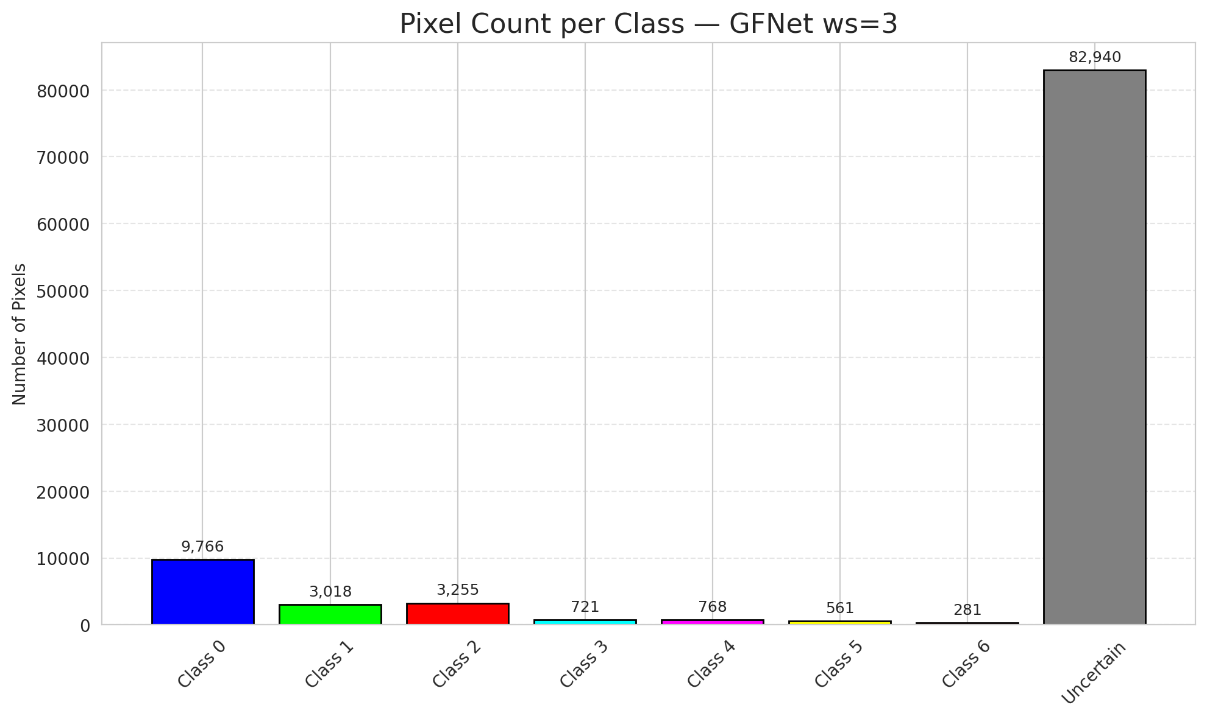
29 | 0.1042 | 0.4959 | 78 | 0.7358490566 | 3
30 | 0.6671 | 0.2443 | 90 | 0.84905660377 | 0
31 | 0.0497 | 0.226 | 99 | 0.93396226415 | 1
32 | 0.2821 | 0.3614 | 41 | 0.38679245283 | 6
33 | 0.6699 | 0.4397 | 6 | 0.056603773585 | 0
34 | 0.4047 | 0.5443 | 0 | 0 | 5
35 | 0.6757 | 0.8836 | 87 | 0.82075471698 | 2
36 | 0.3988 | 0.731 | 63 | 0.59433962264 | 5
37 | 0.0796 | 0.4547 | 103 | 0.97169811321 | 2
38 | 0.8809 | 0.4415 | 59 | 0.55660377358 | 4
39 | 0.4386 | 0.7115 | 88 | 0.83018867925 | 1
40 | 0.3095 | 0.1016 | 89 | 0.83962264151 | 0
41 | 0.4709 | 0.837 | 30 | 0.28301886792 | 0
42 | 0.6636 | 0.3636 | 80 | 0.75471698113 | 0
43 | 0.2926 | 0.7458 | 86 | 0.81132075472 | 0
44 | 0.7324 | 0.7773 | 75 | 0.70754716981 | 0
45 | 0.0408 | 0.0959 | 10 | 0.094339622642 | 0
46 | 0.5617 | 0.1813 | 22 | 0.20754716981 | 0
47 | 0.3303 | 0.417 | 40 | 0.37735849057 | 1
48 | 0.7397 | 0.0342 | 28 | 0.2641509434 | 0
49 | 0.8281 | 0.0117 | 58 | 0.54716981132 | 2
50 | 0.9304 | 0.5638 | 81 | 0.7641509434 | 0
51 | 0.8503 | 0.8005 | 8 | 0.075471698113 | 0
52 | 0.4491 | 0.2318 | 106 | 1 | 6
53 | 0.6567 | 0.1769 | 43 | 0.40566037736 | 3
54 | 0.4959 | 0.8279 | 46 | 0.43396226415 | 0
55 | 0.6873 | 0.6034 | 71 | 0.66981132075 | 6
56 | 0.2889 | 0.6327 | 67 | 0.6320754717 | 2
57 | 0.7567 | 0.0644 | 74 | 0.69811320755 | 2
58 | 0.9807 | 0.1543 | 91 | 0.85849056604 | 0
59 | 0.2382 | 0.7726 | 18 | 0.16981132075 | 2
60 | 0.9006 | 0.0907 | 61 | 0.57547169811 | 3
61 | 0.9014 | 0.1188 | 101 | 0.95283018868 | 2
62 | 0.2674 | 0.5554 | 3 | 0.028301886792 | 1
63 | 0.7318 | 0.3706 | 39 | 0.3679245283 | 0
64 | 0.7153 | 0.1978 | 68 | 0.64150943396 | 1
65 | 0.3075 | 0.5321 | 105 | 0.99056603774 | 0
66 | 0.1773 | 0.0562 | 52 | 0.49056603774 | 0
67 | 0.1296 | 0.5499 | 38 | 0.35849056604 | 2
68 | 0.4574 | 0.3247 | 9 | 0.084905660377 | 0
69 | 0.0022 | 0.1092 | 96 | 0.90566037736 | 0
70 | 0.6678 | 0.7332 | 36 | 0.33962264151 | 1
71 | 0.3448 | 0.3147 | 60 | 0.56603773585 | 5
72 | 0.6147 | 0.9561 | 66 | 0.62264150943 | 2
73 | 0.076 | 0.6519 | 2 | 0.018867924528 | 0
74 | 0.5961 | 0.1697 | 32 | 0.30188679245 | 2
75 | 0.5763 | 0.7192 | 14 | 0.1320754717 | 5
76 | 0.681 | 0.0996 | 16 | 0.15094339623 | 1
77 | 0.9821 | 0.7647 | 48 | 0.45283018868 | 3
78 | 0.3002 | 0.753 | 29 | 0.27358490566 | 0
79 | 0.4373 | 0.7959 | 12 | 0.11320754717 | 0
80 | 0.2735 | 0.0875 | 13 | 0.12264150943 | 1
81 | 0.1831 | 0.7407 | 92 | 0.8679245283 | 1
82 | 0.7897 | 0.0156 | 1 | 0.0094339622642 | 6
83 | 0.8111 | 0.7303 | 26 | 0.24528301887 | 1
84 | 0.9411 | 0.8729 | 47 | 0.44339622642 | 1
85 | 0.207 | 0.3273 | 69 | 0.65094339623 | 2
86 | 0.1967 | 0.9362 | 17 | 0.16037735849 | 0
87 | 0.6619 | 0.5754 | 62 | 0.58490566038 | 0
88 | 0.6003 | 0.6706 | 20 | 0.18867924528 | 0
89 | 0.4662 | 0.4552 | 102 | 0.96226415094 | 1
90 | 0.6074 | 0.6483 | 21 | 0.19811320755 | 2
91 | 0.7633 | 0.1331 | 37 | 0.34905660377 | 0
92 | 0.395 | 0.7408 | 73 | 0.68867924528 | 0
93 | 0.4484 | 0.671 | 53 | 0.5 | 4
94 | 0.8805 | 0.3441 | 31 | 0.29245283019 | 1
95 | 0.7966 | 0.7206 | 94 | 0.88679245283 | 0
96 | 0.1879 | 0.3755 | 65 | 0.61320754717 | 2
97 | 0.7592 | 0.1087 | 98 | 0.92452830189 | 0
98 | 0.2032 | 0.4056 | 15 | 0.14150943396 | 0
99 | 0.9242 | 0.0582 | 93 | 0.87735849057 | 1
100 | 0.2589 | 0.1089 | 82 | 0.77358490566 | 3
101 | 0.0762 | 0.8311 | 33 | 0.31132075472 | 3
102 | 0.7032 | 0.527 | 57 | 0.53773584906 | 6
103 | 0.2877 | 0.4591 | 45 | 0.42452830189 | 0
104 | 0.0247 | 0.4191 | 7 | 0.066037735849 | 4
105 | 0.1329 | 0.7049 | 49 | 0.46226415094 | 1
106 | 0.6525 | 0.5448 | 104 | 0.98113207547 | 0

ViT_RAPS_ws3
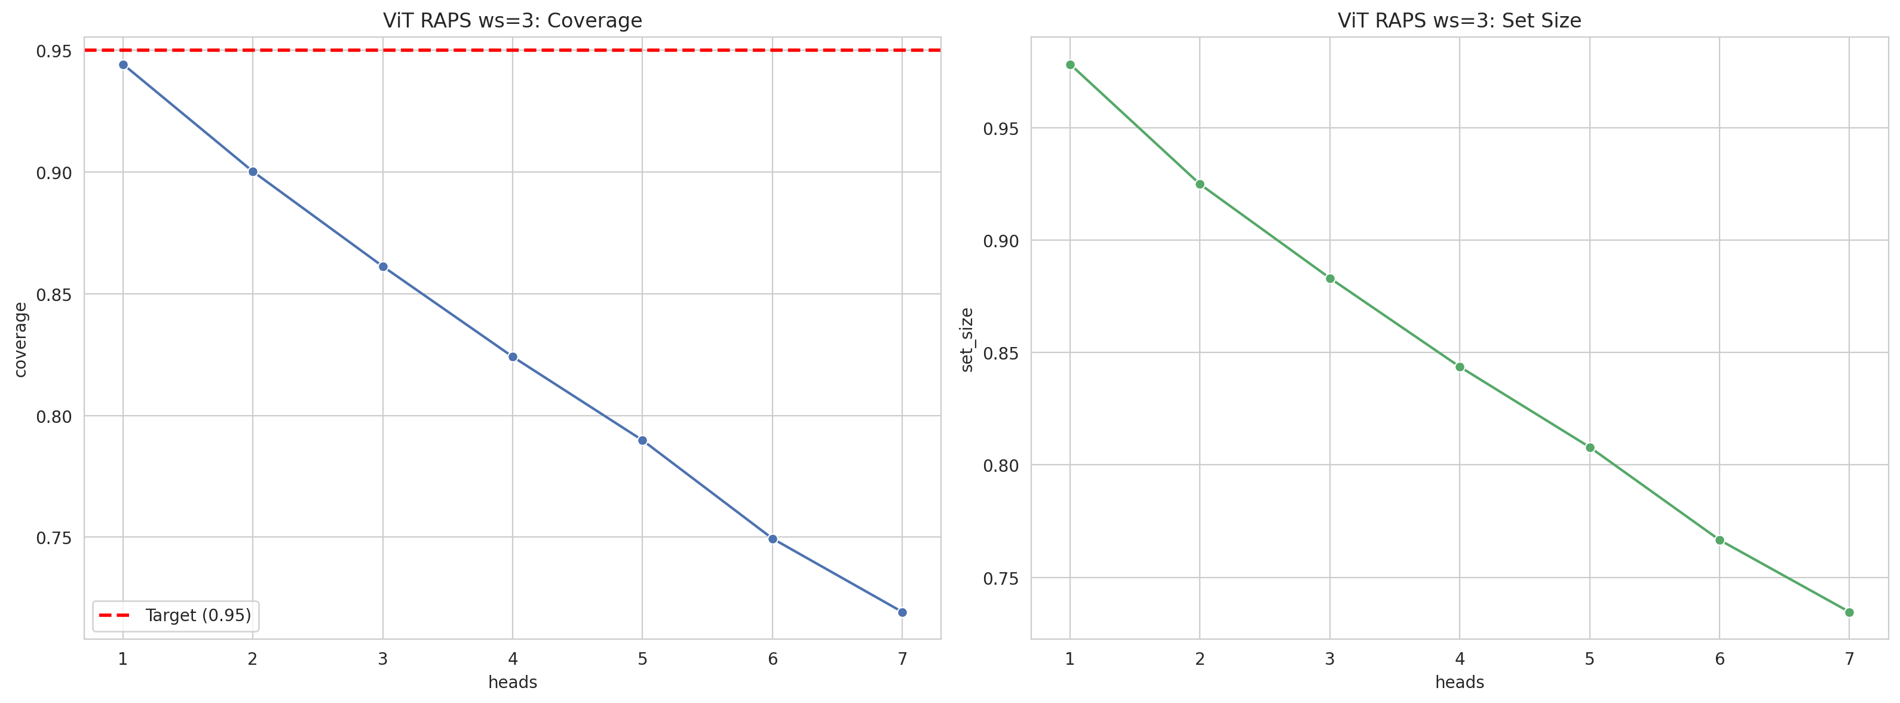
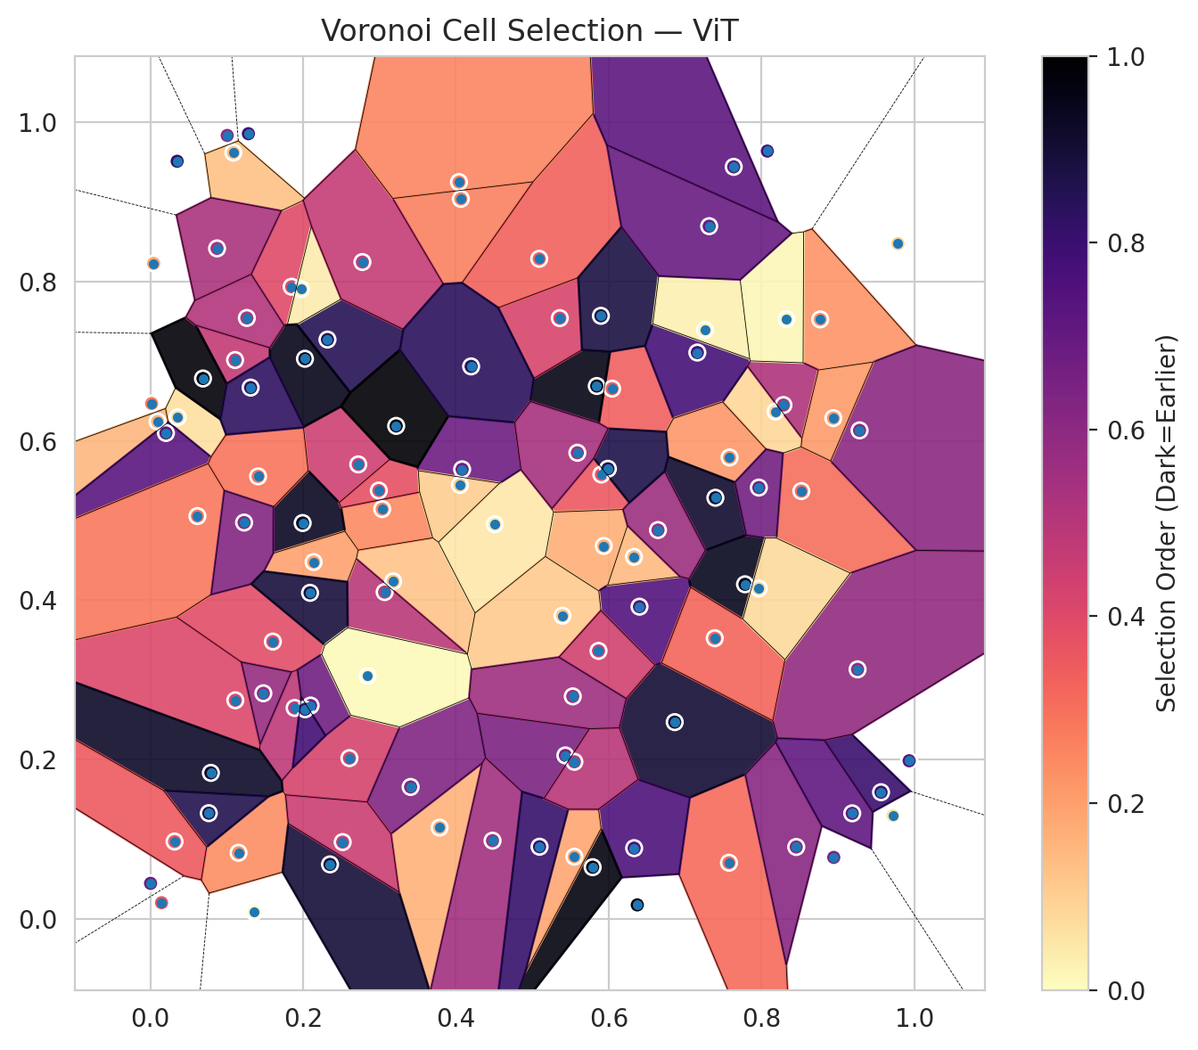
model_key | ViT_UNet_MultiHead
model_name | ViT
scoring_method | RAPS
window_size | 3
lambda | 0.5
k_iters | 1
empirical_coverage | 0.7192575406
avg_set_size | 0.73457076566
scene_coverage | 0.29617872544
scene_avg_set_size | 1.1083092679
uncertain_pixel_rate | 0.21374987662
mean_per_class_cov | 0.72624379322
runtime_sec | 37.435867456
alpha | 0.05

heads | coverage | set_size |  |  | class_id | class_coverage | support_count | Class | Pixels
1 | 0.94431554524 | 0.97819025522 |  |  | 0 | 0.70350109409 | 914 | Class 0 | 36516
2 | 0.90023201856 | 0.92482598608 |  |  | 1 | 0.73788546256 | 454 | Class 1 | 13815
3 | 0.86125290023 | 0.88306264501 |  |  | 2 | 0.72346368715 | 358 | Class 2 | 14898
4 | 0.82412993039 | 0.84361948956 |  |  | 3 | 0.74358974359 | 156 | Class 3 | 5903
5 | 0.78979118329 | 0.80788863109 |  |  | 4 | 0.68269230769 | 104 | Class 4 | 3342
6 | 0.7494199536 | 0.76658932715 |  |  | 5 | 0.74257425743 | 101 | Class 5 | 3721
7 | 0.7192575406 | 0.73457076566 |  |  | 6 | 0.75 | 68 | Class 6 | 1460
 |  |  |  |  |  |  |  | Uncertain | 21655

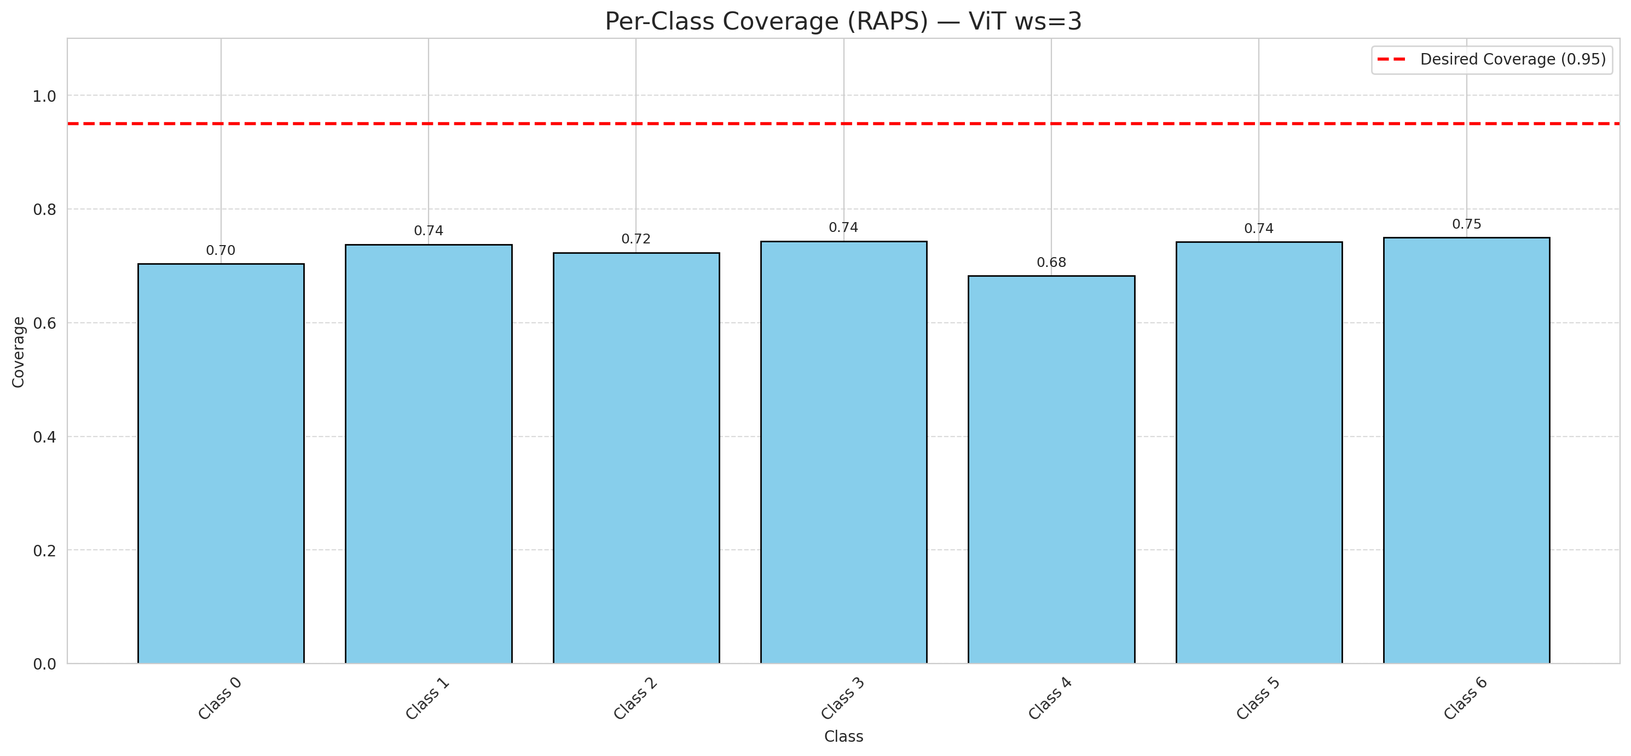

Cell Index | s1 | s2 | Selection_Order | Norm_Order(0-1) | Target
0 | 0.852 | 0.5369 | 32 | 0.30188679245 | 0
1 | 0.2722 | 0.5704 | 47 | 0.44339622642 | 0
2 | 0.2606 | 0.2017 | 45 | 0.42452830189 | 0
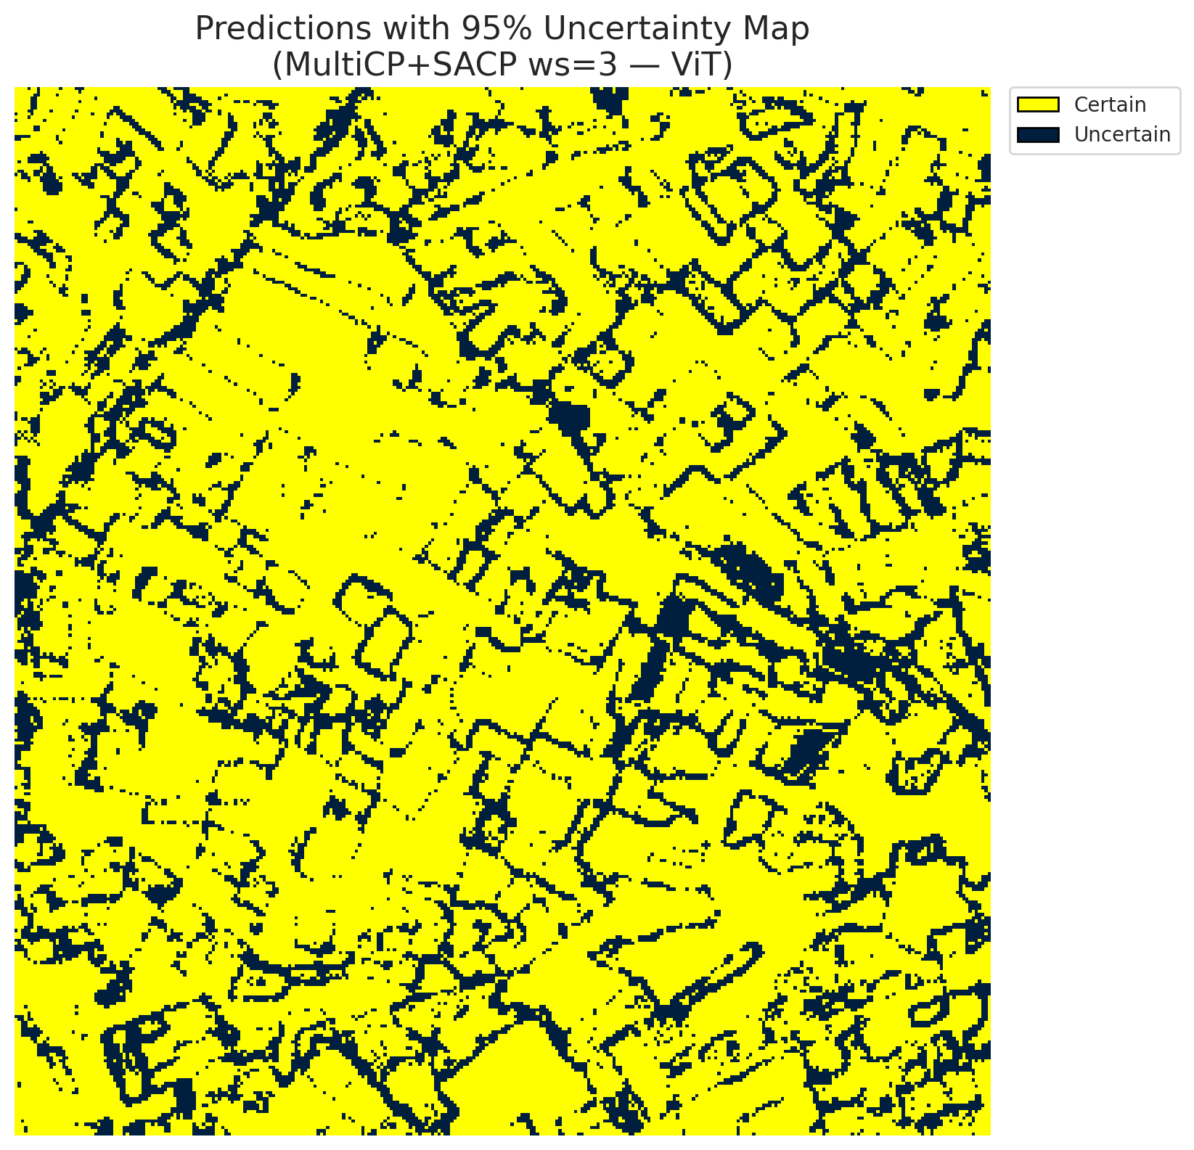
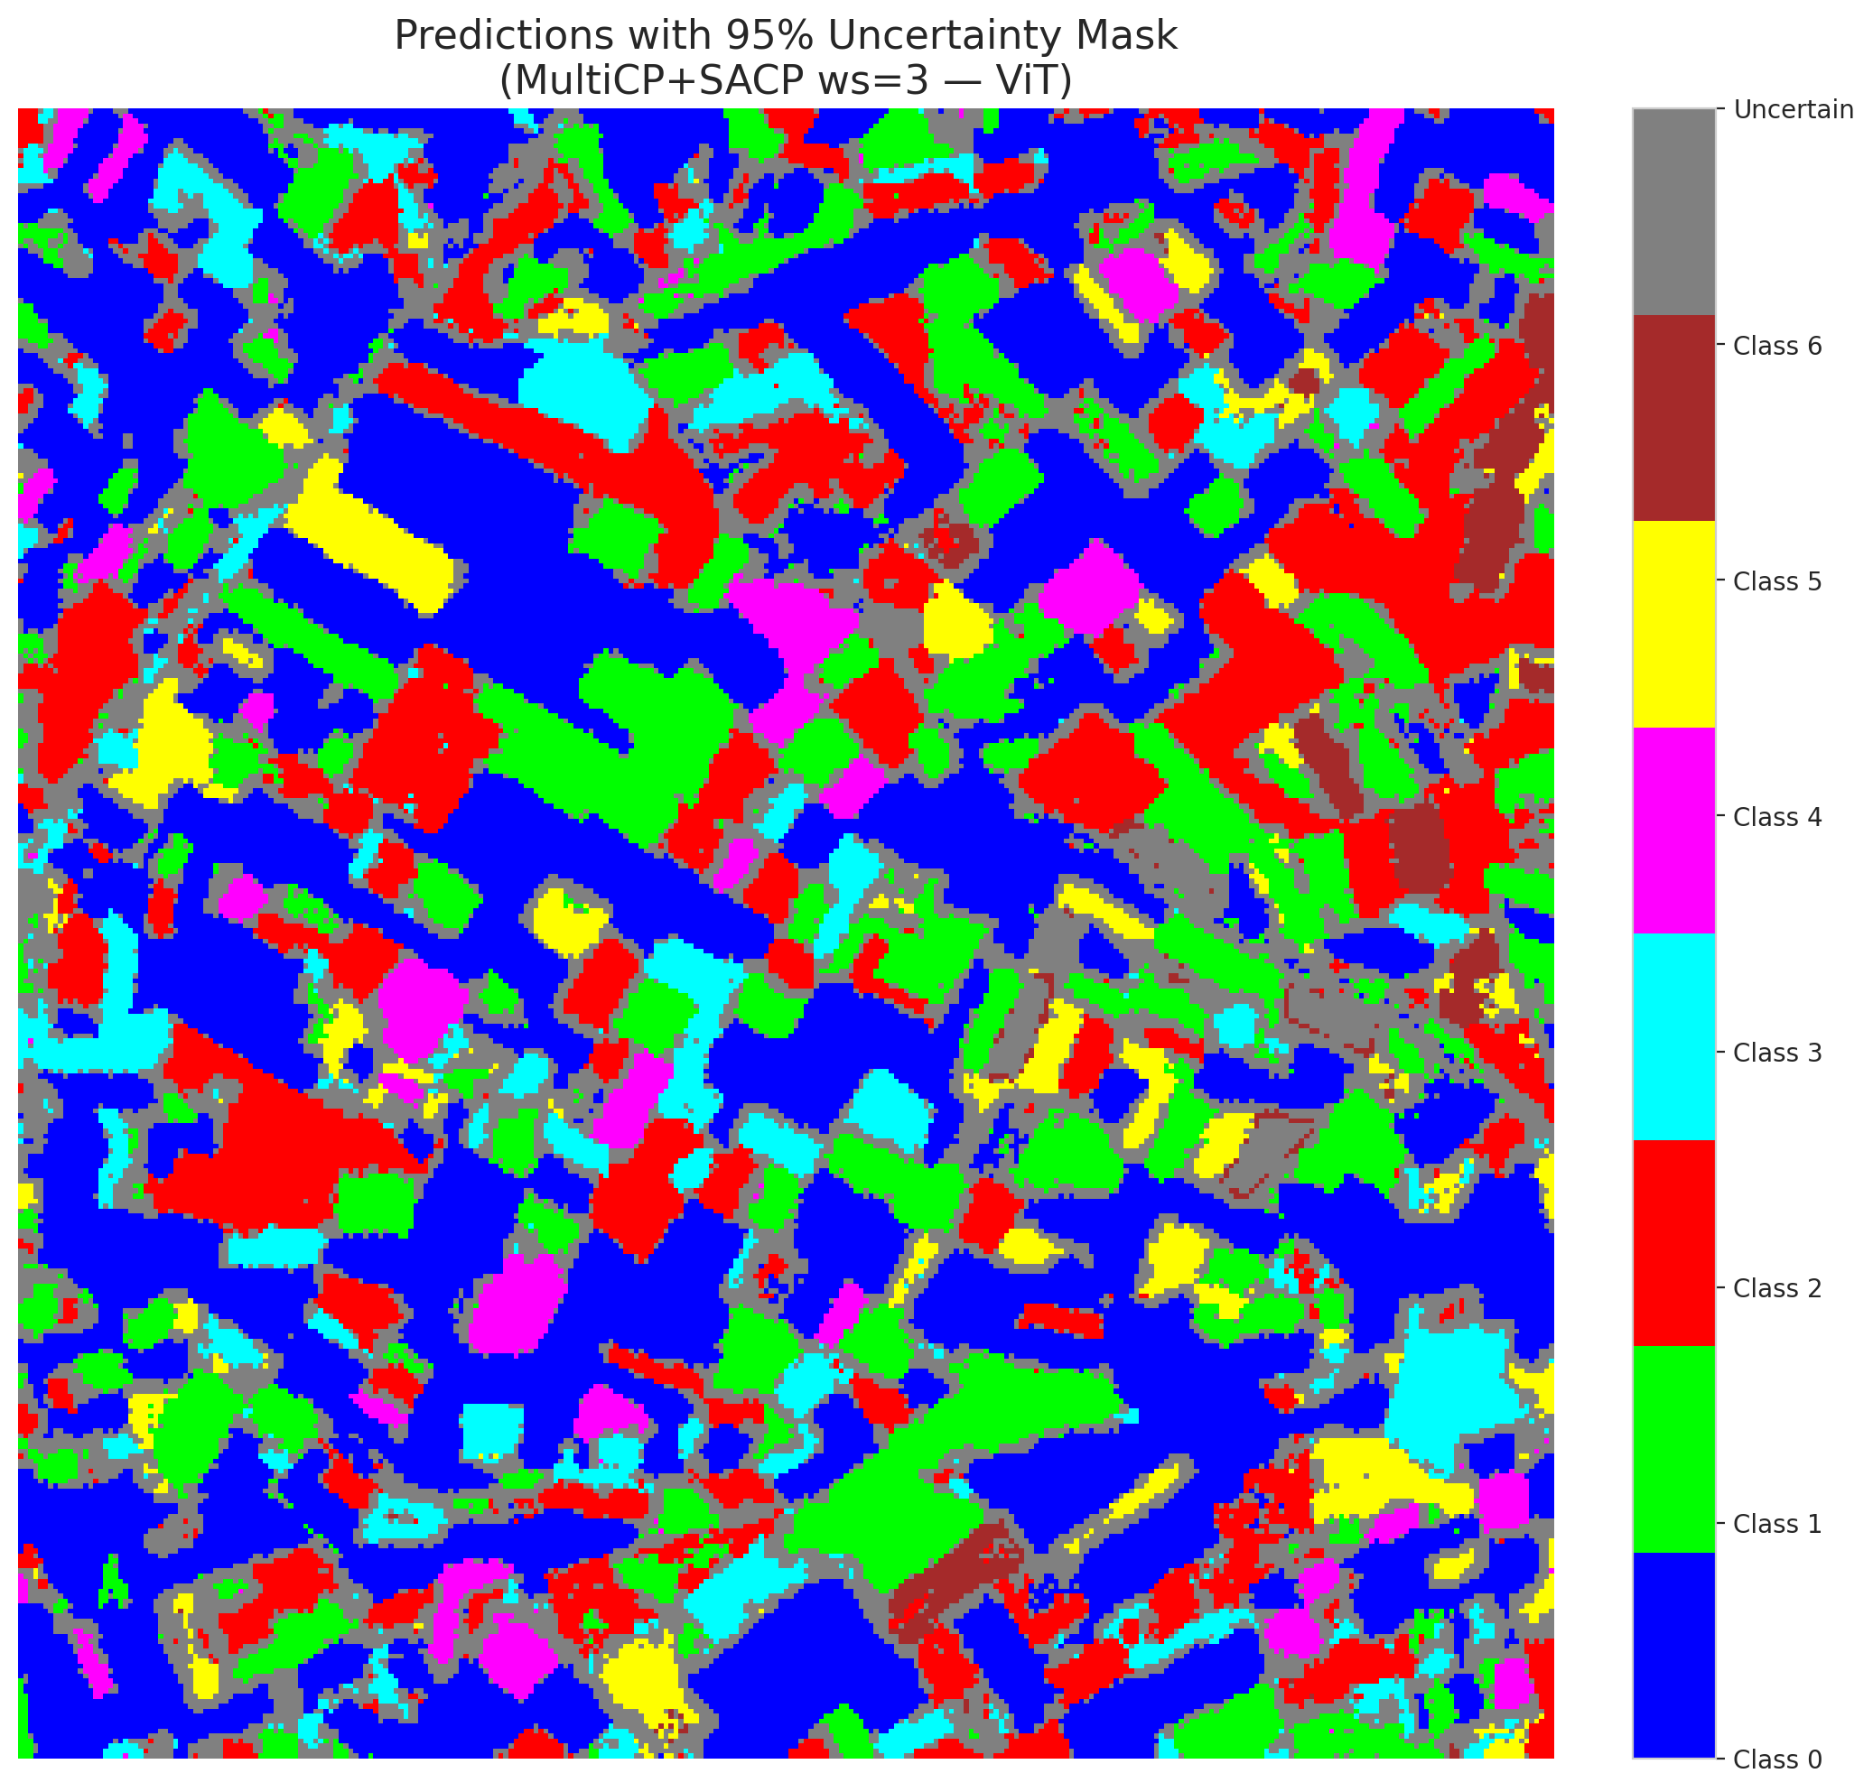
3 | 0.8944 | 0.0771 | 69 | 0.65094339623 | 2
4 | 0.9563 | 0.1589 | 85 | 0.80188679245 | 6
5 | 0.3178 | 0.4236 | 13 | 0.12264150943 | 2
6 | 0.1359 | 0.0085 | 0 | 0 | 0
7 | 0.4064 | 0.9037 | 28 | 0.2641509434 | 0
8 | 0.1155 | 0.0829 | 25 | 0.2358490566 | 0
9 | 0.2319 | 0.7271 | 90 | 0.84905660377 | 1
10 | 0.7573 | 0.0704 | 33 | 0.31132075472 | 3
11 | 0.0359 | 0.6295 | 7 | 0.066037735849 | 0
12 | 0.185 | 0.7934 | 42 | 0.39622641509 | 4
13 | 0.5903 | 0.5577 | 38 | 0.35849056604 | 0
14 | 0.1972 | 0.7903 | 4 | 0.037735849057 | 5
15 | 0.0148 | 0.0202 | 39 | 0.3679245283 | 0
16 | 0.6044 | 0.6655 | 36 | 0.33962264151 | 1
17 | 0.5843 | 0.6688 | 102 | 0.96226415094 | 0
18 | 0.5935 | 0.468 | 18 | 0.16981132075 | 2
19 | 0.6863 | 0.2469 | 96 | 0.90566037736 | 3
20 | 0.5359 | 0.754 | 44 | 0.41509433962 | 0
21 | 0.3786 | 0.1145 | 17 | 0.16037735849 | 4
22 | 0.3035 | 0.5143 | 26 | 0.24528301887 | 0
23 | 0.9256 | 0.3131 | 62 | 0.58490566038 | 0
24 | 0.0096 | 0.6242 | 16 | 0.15094339623 | 1
25 | 0.6402 | 0.3918 | 79 | 0.74528301887 | 2
26 | 0.1994 | 0.4968 | 99 | 0.93396226415 | 4
27 | 0.1007 | 0.9833 | 63 | 0.59433962264 | 1
28 | 0.0044 | 0.8227 | 19 | 0.17924528302 | 0
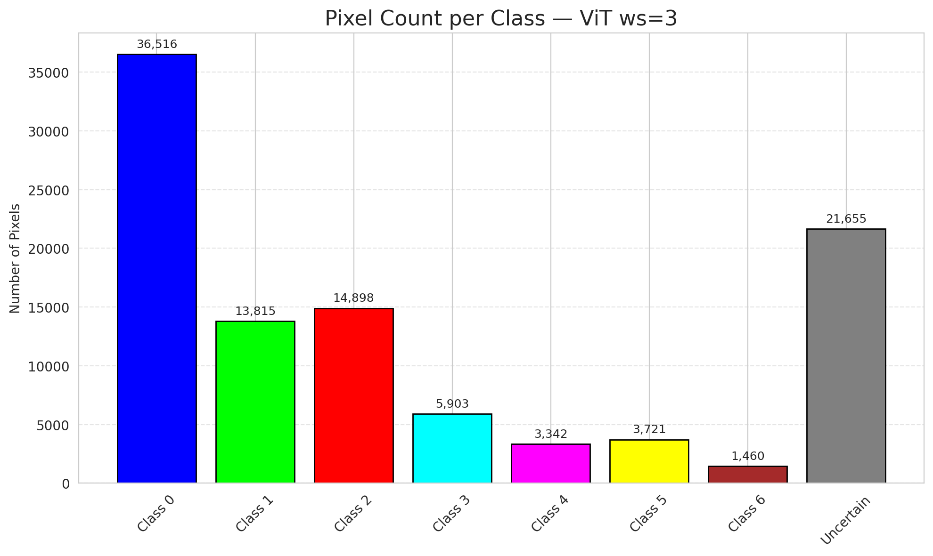
29 | 0.1889 | 0.2647 | 51 | 0.48113207547 | 3
30 | 0.111 | 0.7014 | 50 | 0.47169811321 | 0
31 | 0.6332 | 0.0887 | 80 | 0.75471698113 | 1
32 | 0.8182 | 0.6367 | 9 | 0.084905660377 | 6
33 | 0.2991 | 0.5376 | 40 | 0.37735849057 | 0
34 | 0.6373 | 0.0175 | 105 | 0.99056603774 | 5
35 | 0.3067 | 0.4101 | 52 | 0.49056603774 | 2
36 | 0.5432 | 0.2051 | 68 | 0.64150943396 | 5
37 | 0.4508 | 0.4953 | 5 | 0.047169811321 | 2
38 | 0.8075 | 0.9637 | 81 | 0.7641509434 | 4
39 | 0.509 | 0.8285 | 35 | 0.33018867925 | 1
40 | 0.3407 | 0.1655 | 67 | 0.6320754717 | 0
41 | 0.5394 | 0.3805 | 12 | 0.11320754717 | 0
42 | 0.7783 | 0.4199 | 100 | 0.94339622642 | 0
43 | 0.633 | 0.4543 | 15 | 0.14150943396 | 0
44 | 0.8767 | 0.7524 | 24 | 0.22641509434 | 0
45 | 0.7159 | 0.7108 | 82 | 0.77358490566 | 0
46 | 0.0352 | 0.9509 | 87 | 0.82075471698 | 0
47 | 0.8286 | 0.6449 | 55 | 0.51886792453 | 1
48 | 0.1604 | 0.348 | 41 | 0.38679245283 | 0
49 | 0.2138 | 0.4478 | 21 | 0.19811320755 | 2
50 | 0.7635 | 0.9439 | 76 | 0.71698113208 | 0
51 | 0.9282 | 0.6131 | 64 | 0.60377358491 | 0
52 | 0.5897 | 0.7569 | 93 | 0.87735849057 | 6
53 | 0.1087 | 0.9618 | 14 | 0.1320754717 | 3
54 | 0.0017 | 0.6468 | 29 | 0.27358490566 | 0
55 | 0.5789 | 0.0648 | 103 | 0.97169811321 | 6
56 | 0.1113 | 0.2743 | 43 | 0.40566037736 | 2
57 | 0.0205 | 0.6098 | 77 | 0.72641509434 | 2
58 | 0.9931 | 0.1984 | 78 | 0.7358490566 | 0
59 | 0.7257 | 0.7391 | 3 | 0.028301886792 | 2
60 | 0.2352 | 0.0683 | 95 | 0.89622641509 | 3
61 | 0.0793 | 0.1832 | 98 | 0.92452830189 | 2
62 | 0.7581 | 0.5791 | 23 | 0.21698113208 | 1
63 | 0.7395 | 0.5285 | 97 | 0.91509433962 | 0
64 | 0.069 | 0.6782 | 104 | 0.98113207547 | 1
65 | 0.2776 | 0.8244 | 49 | 0.46226415094 | 0
66 | 0.0766 | 0.1326 | 91 | 0.85849056604 | 0
67 | 0.5866 | 0.3363 | 46 | 0.43396226415 | 2
68 | 0.404 | 0.9248 | 27 | 0.25471698113 | 0
69 | 0.4081 | 0.5642 | 72 | 0.67924528302 | 0
70 | 0.1411 | 0.5554 | 31 | 0.29245283019 | 1
71 | 0.9785 | 0.8475 | 10 | 0.094339622642 | 5
72 | 0.2098 | 0.2677 | 71 | 0.66981132075 | 2
73 | 0.8453 | 0.0902 | 65 | 0.61320754717 | 0
74 | 0.0617 | 0.5055 | 30 | 0.28301886792 | 2
75 | 0.2518 | 0.0963 | 48 | 0.45283018868 | 5
76 | 0.2024 | 0.703 | 101 | 0.95283018868 | 1
77 | 0.7964 | 0.5413 | 70 | 0.66037735849 | 3
78 | 0.0874 | 0.8415 | 56 | 0.52830188679 | 0
79 | 0.2026 | 0.263 | 83 | 0.78301886792 | 0
80 | 0.6644 | 0.488 | 60 | 0.56603773585 | 1
81 | 0.8324 | 0.7526 | 2 | 0.018867924528 | 1
82 | 0.4479 | 0.0981 | 58 | 0.54716981132 | 6
83 | 0.1313 | 0.6668 | 88 | 0.83018867925 | 1
84 | 0.0318 | 0.097 | 37 | 0.34905660377 | 1
85 | 0.7314 | 0.8694 | 73 | 0.68867924528 | 2
86 | 0.7387 | 0.3522 | 34 | 0.32075471698 | 0
87 | 0.8939 | 0.6285 | 22 | 0.20754716981 | 0
88 | 0.1228 | 0.4974 | 66 | 0.62264150943 | 0
89 | 0.0004 | 0.0445 | 74 | 0.69811320755 | 1
90 | 0.9186 | 0.1324 | 75 | 0.70754716981 | 2
91 | 0.3218 | 0.6187 | 106 | 1 | 0
92 | 0.5989 | 0.5649 | 92 | 0.8679245283 | 0
93 | 0.148 | 0.2831 | 61 | 0.57547169811 | 4
94 | 0.2091 | 0.4092 | 94 | 0.88679245283 | 1
95 | 0.2844 | 0.3048 | 1 | 0.0094339622642 | 0
96 | 0.5529 | 0.2792 | 59 | 0.55660377358 | 2
97 | 0.1284 | 0.9855 | 84 | 0.79245283019 | 0
98 | 0.4199 | 0.6934 | 89 | 0.83962264151 | 0
99 | 0.5549 | 0.078 | 20 | 0.18867924528 | 1
100 | 0.5094 | 0.0905 | 86 | 0.81132075472 | 3
101 | 0.5589 | 0.585 | 57 | 0.53773584906 | 3
102 | 0.7963 | 0.4147 | 8 | 0.075471698113 | 6
103 | 0.9718 | 0.1296 | 6 | 0.056603773585 | 0
104 | 0.1264 | 0.7542 | 54 | 0.50943396226 | 4
105 | 0.4052 | 0.5445 | 11 | 0.10377358491 | 1
106 | 0.555 | 0.1971 | 53 | 0.5 | 0

ViT_SAPS_ws3
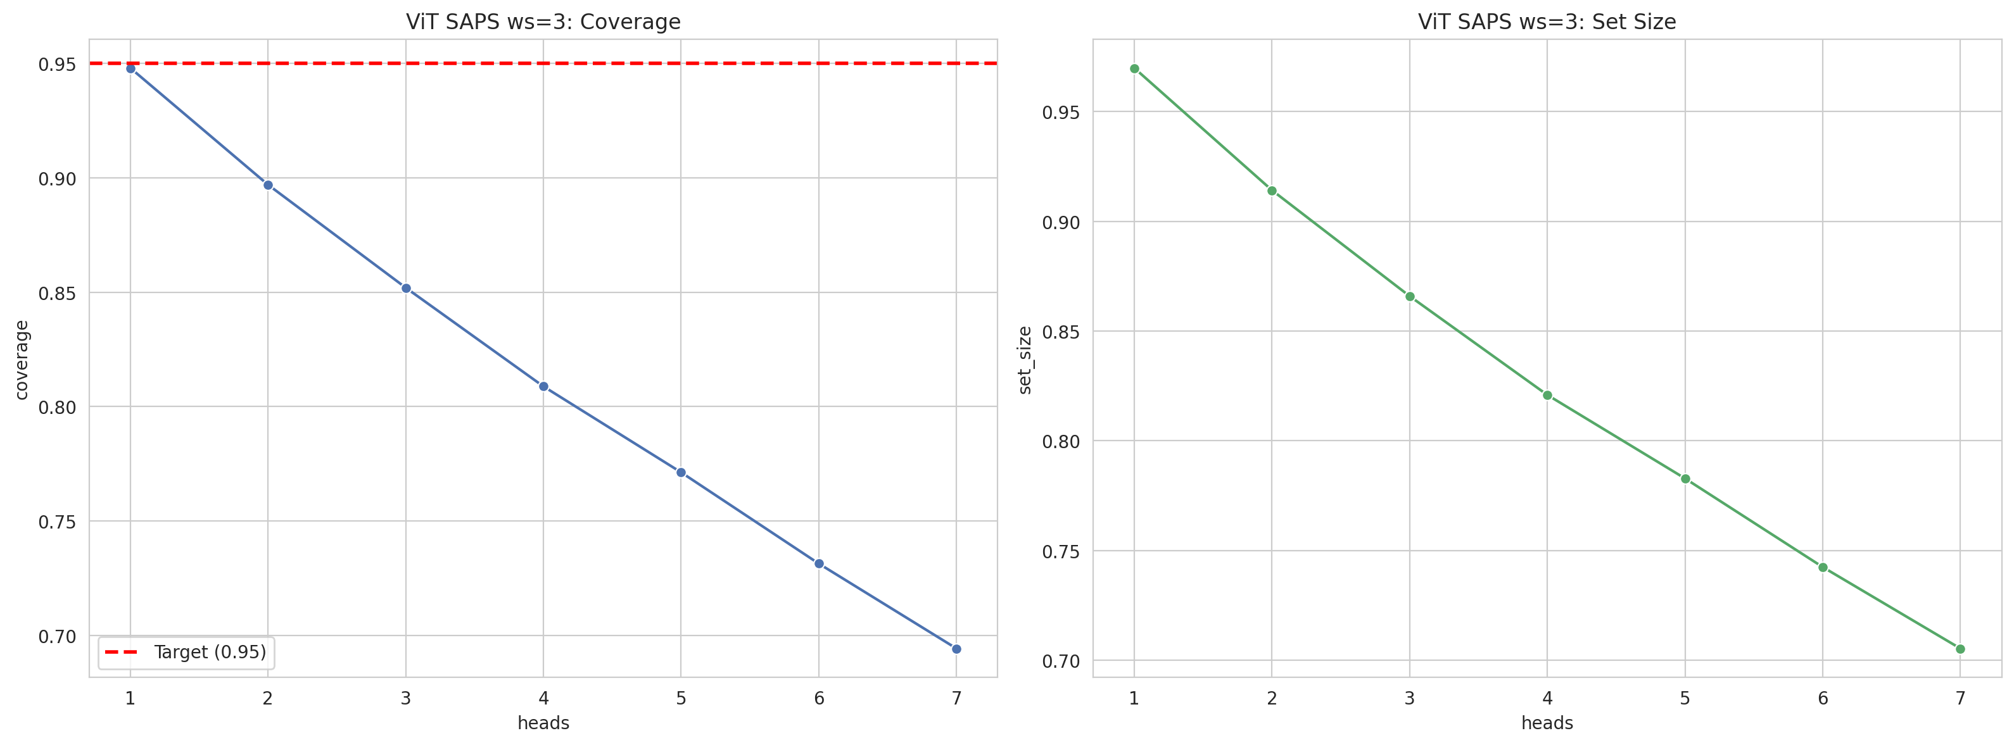
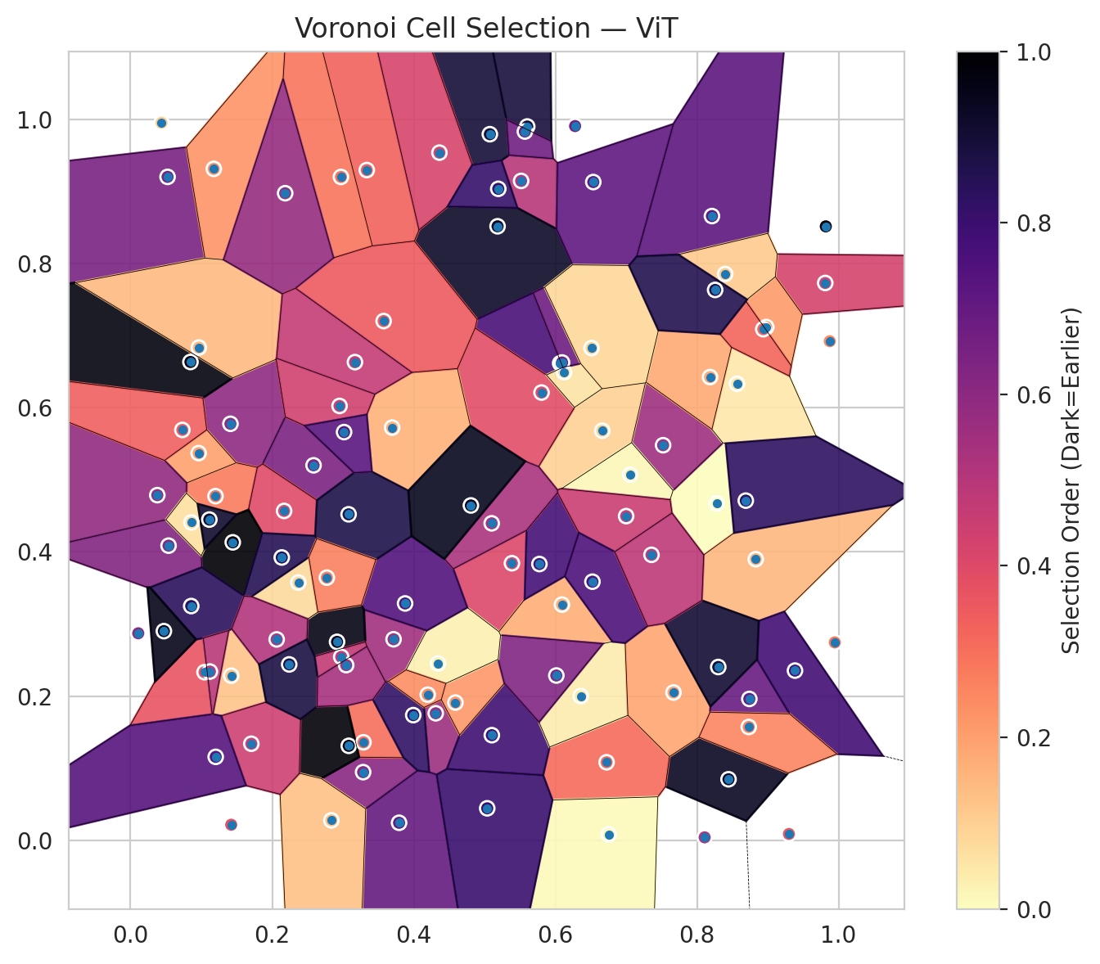
model_key | ViT_UNet_MultiHead
model_name | ViT
scoring_method | SAPS
window_size | 3
lambda | 0.5
k_iters | 1
empirical_coverage | 0.69419953596
avg_set_size | 0.70533642691
scene_coverage | 0.26575227599
scene_avg_set_size | 0.9522462711
uncertain_pixel_rate | 0.11919849965
mean_per_class_cov | 0.69932690467
runtime_sec | 34.847422422
alpha | 0.05

heads | coverage | set_size |  |  | class_id | class_coverage | support_count | Class | Pixels
1 | 0.94802784223 | 0.96983758701 |  |  | 0 | 0.68490153173 | 914 | Class 0 | 39214
2 | 0.8969837587 | 0.91415313225 |  |  | 1 | 0.68502202643 | 454 | Class 1 | 15698
3 | 0.85197215777 | 0.86589327146 |  |  | 2 | 0.72067039106 | 358 | Class 2 | 17048
4 | 0.80881670534 | 0.82088167053 |  |  | 3 | 0.67948717949 | 156 | Class 3 | 7263
5 | 0.77122969838 | 0.78283062645 |  |  | 4 | 0.73076923077 | 104 | Class 4 | 3717
6 | 0.7313225058 | 0.74245939675 |  |  | 5 | 0.73267326733 | 101 | Class 5 | 4590
7 | 0.69419953596 | 0.70533642691 |  |  | 6 | 0.66176470588 | 68 | Class 6 | 1704
 |  |  |  |  |  |  |  | Uncertain | 12076

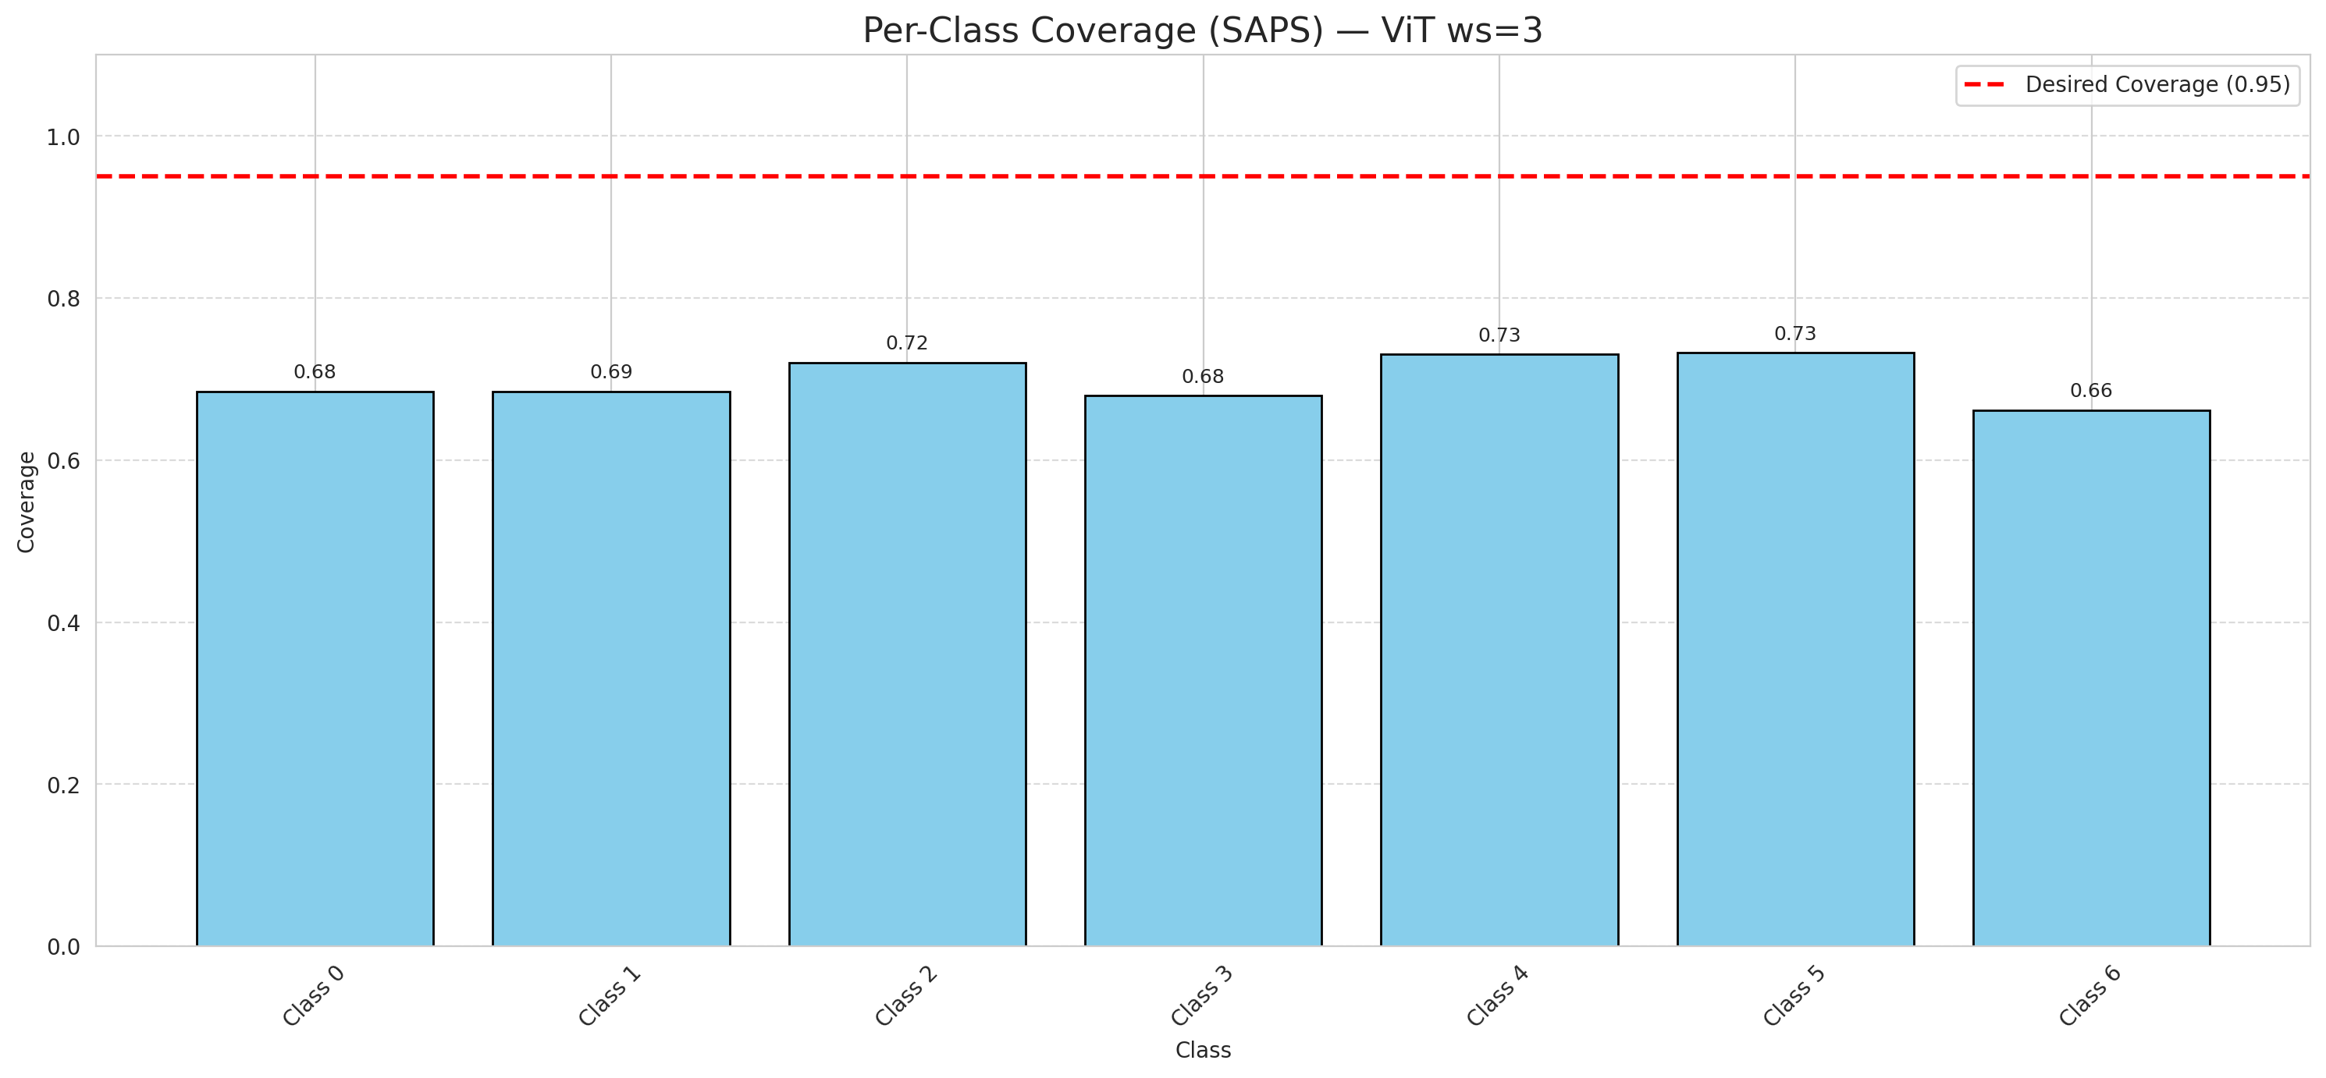

Cell Index | s1 | s2 | Selection_Order | Norm_Order(0-1) | Target
0 | 0.5517 | 0.9149 | 53 | 0.5 | 0
1 | 0.828 | 0.4673 | 0 | 0 | 0
2 | 0.4311 | 0.1761 | 60 | 0.56603773585 | 0
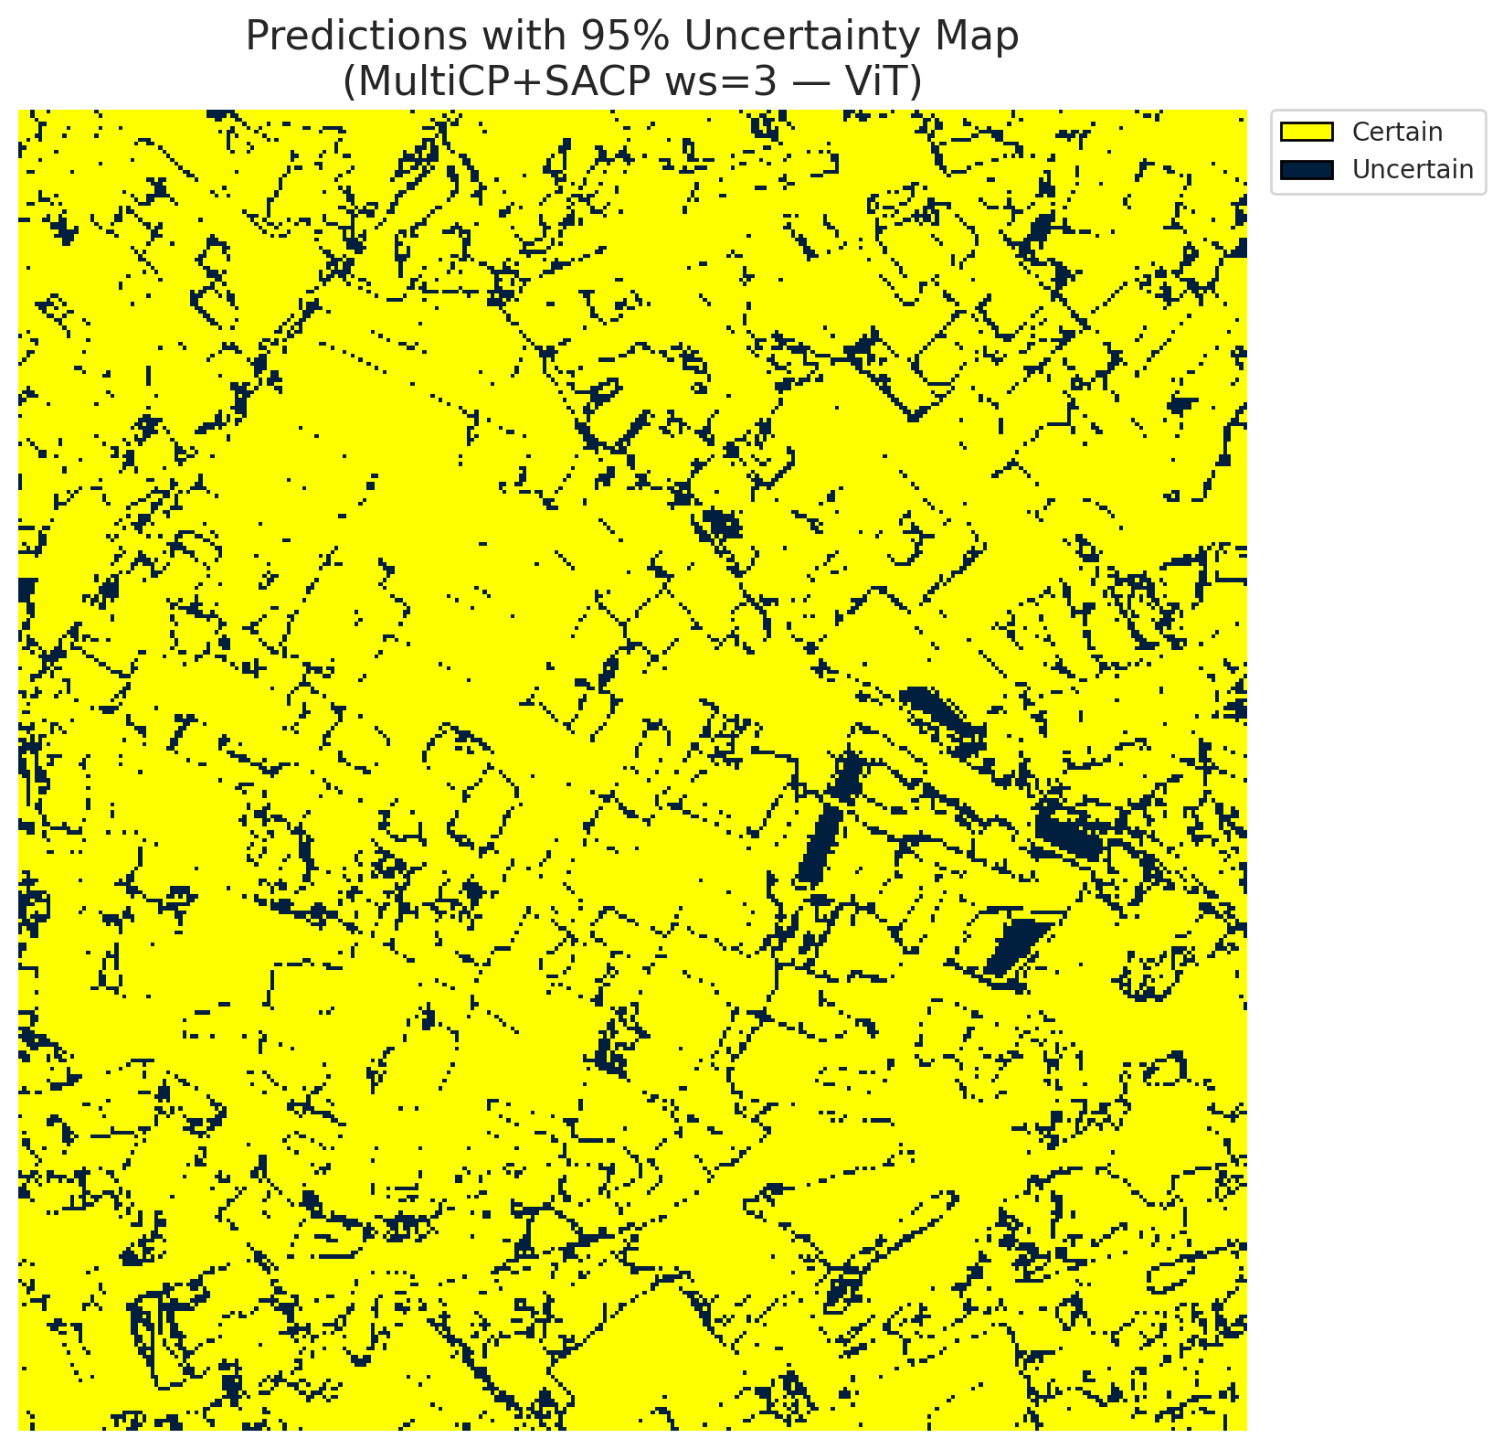
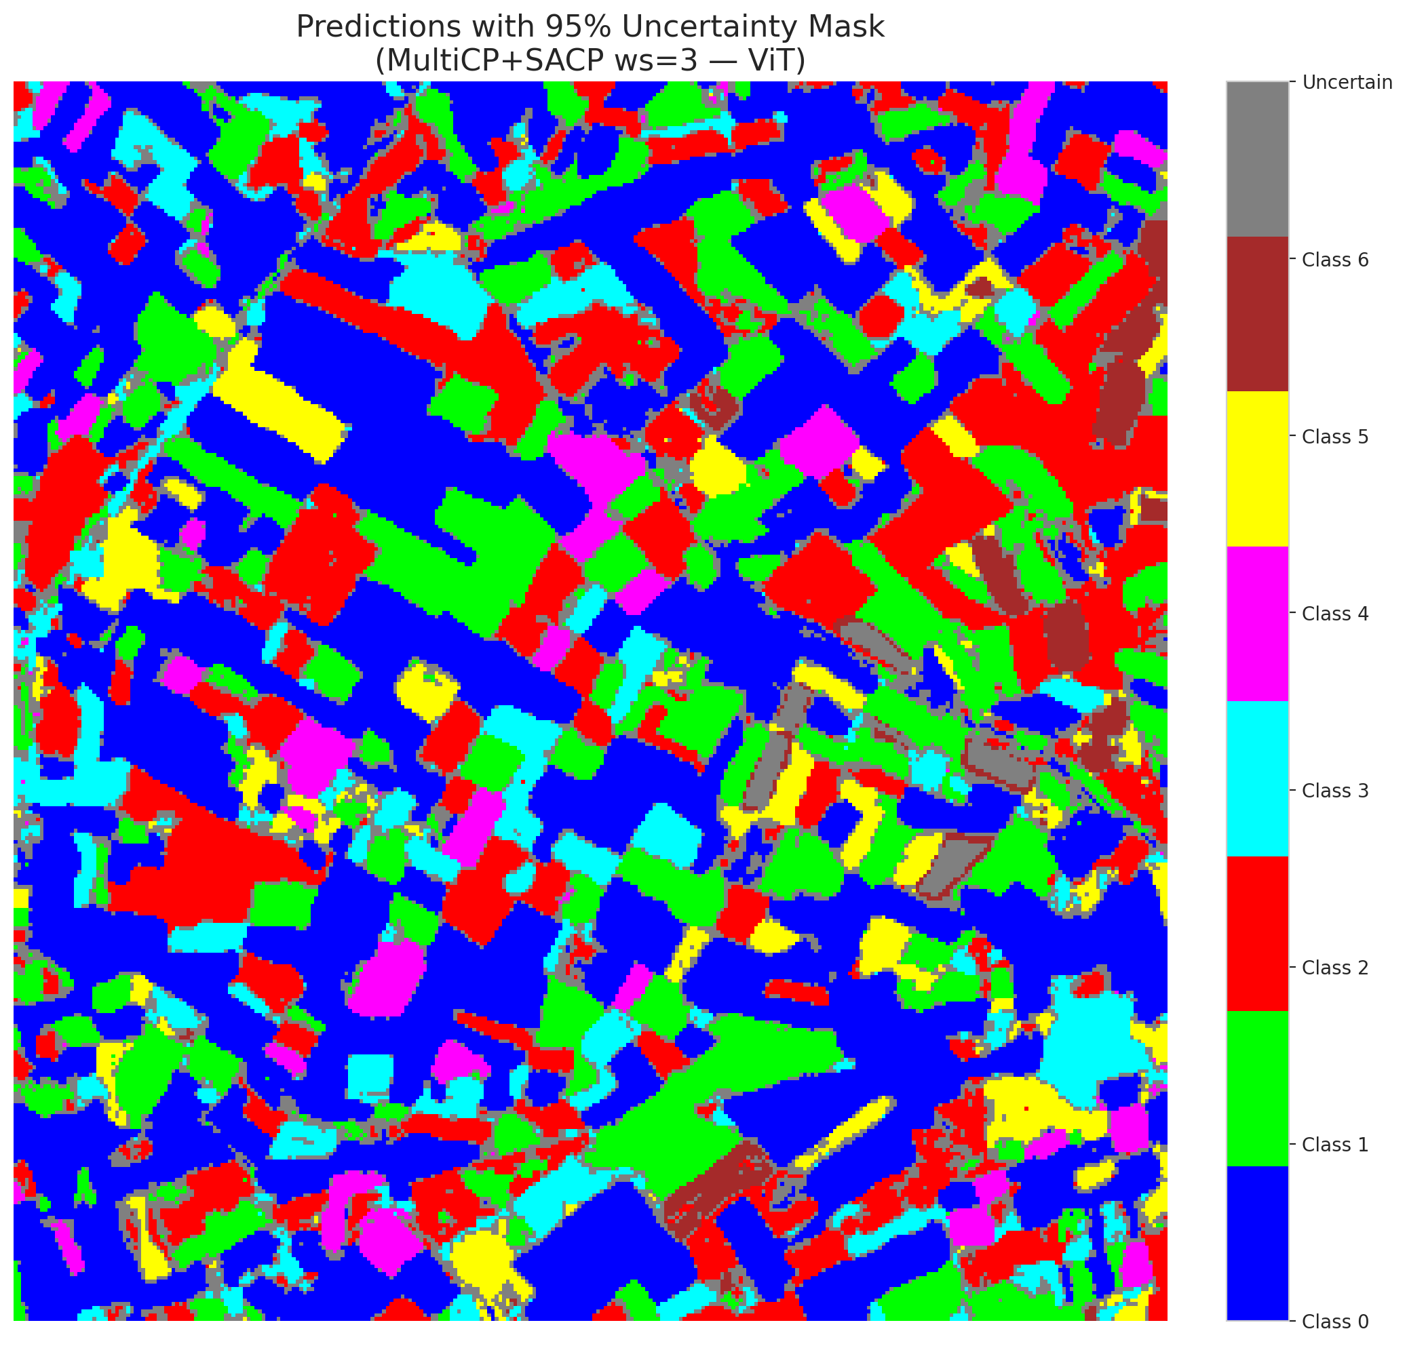
3 | 0.3285 | 0.0944 | 65 | 0.61320754717 | 2
4 | 0.7522 | 0.5481 | 59 | 0.55660377358 | 6
5 | 0.5184 | 0.8519 | 98 | 0.92452830189 | 2
6 | 0.1422 | 0.2282 | 13 | 0.12264150943 | 0
7 | 0.8446 | 0.0845 | 99 | 0.93396226415 | 0
8 | 0.3715 | 0.2788 | 58 | 0.54716981132 | 0
9 | 0.3793 | 0.0241 | 74 | 0.69811320755 | 1
10 | 0.5075 | 0.9797 | 95 | 0.89622641509 | 3
11 | 0.6724 | 0.1081 | 33 | 0.31132075472 | 0
12 | 0.5387 | 0.3843 | 43 | 0.40566037736 | 4
13 | 0.8109 | 0.0039 | 55 | 0.51886792453 | 0
14 | 0.6754 | 0.008 | 1 | 0.0094339622642 | 5
15 | 0.0523 | 0.9205 | 69 | 0.65094339623 | 0
16 | 0.9812 | 0.7732 | 45 | 0.42452830189 | 1
17 | 0.8831 | 0.3899 | 16 | 0.15094339623 | 0
18 | 0.8212 | 0.8661 | 76 | 0.71698113208 | 2
19 | 0.1045 | 0.2331 | 39 | 0.3679245283 | 3
20 | 0.5103 | 0.1457 | 84 | 0.79245283019 | 0
21 | 0.4589 | 0.1909 | 23 | 0.21698113208 | 4
22 | 0.6094 | 0.3269 | 18 | 0.16981132075 | 0
23 | 0.5603 | 0.9904 | 94 | 0.88679245283 | 0
24 | 0.6359 | 0.1999 | 4 | 0.037735849057 | 1
25 | 0.6279 | 0.991 | 70 | 0.66037735849 | 2
26 | 0.7669 | 0.2049 | 20 | 0.18867924528 | 4
27 | 0.329 | 0.1358 | 32 | 0.30188679245 | 1
28 | 0.3993 | 0.1735 | 87 | 0.82075471698 | 0

29 | 0.6663 | 0.5682 | 10 | 0.094339622642 | 3
30 | 0.6068 | 0.6618 | 81 | 0.7641509434 | 0
31 | 0.1411 | 0.5778 | 63 | 0.59433962264 | 1
32 | 0.1176 | 0.9316 | 24 | 0.22641509434 | 6
33 | 0.1422 | 0.0214 | 40 | 0.37735849057 | 0
34 | 0.12 | 0.4774 | 29 | 0.27358490566 | 5
35 | 0.8567 | 0.6333 | 5 | 0.047169811321 | 2
36 | 0.6014 | 0.2285 | 67 | 0.6320754717 | 5
37 | 0.3337 | 0.9299 | 35 | 0.33018867925 | 2
38 | 0.5805 | 0.6212 | 41 | 0.38679245283 | 4
39 | 0.0846 | 0.6636 | 103 | 0.97169811321 | 1
40 | 0.2972 | 0.9204 | 31 | 0.29245283019 | 0
41 | 0.4343 | 0.2452 | 3 | 0.028301886792 | 0
42 | 0.7057 | 0.5071 | 2 | 0.018867924528 | 0
43 | 0.6124 | 0.6494 | 6 | 0.056603773585 | 0
44 | 0.4198 | 0.2019 | 25 | 0.2358490566 | 0
45 | 0.874 | 0.196 | 73 | 0.68867924528 | 0
46 | 0.8979 | 0.7121 | 22 | 0.20754716981 | 0
47 | 0.2585 | 0.5202 | 68 | 0.64150943396 | 1
48 | 0.3695 | 0.5725 | 17 | 0.16037735849 | 0
49 | 0.3878 | 0.3285 | 79 | 0.74528301887 | 2
50 | 0.2169 | 0.4569 | 42 | 0.39622641509 | 0
51 | 0.9299 | 0.0086 | 38 | 0.35849056604 | 0
52 | 0.0962 | 0.5371 | 21 | 0.19811320755 | 6
53 | 0.9876 | 0.6924 | 26 | 0.24528301887 | 3
54 | 0.6536 | 0.9133 | 75 | 0.70754716981 | 0
55 | 0.9947 | 0.2744 | 30 | 0.28301886792 | 6
56 | 0.5775 | 0.3832 | 82 | 0.77358490566 | 2
57 | 0.1444 | 0.4133 | 106 | 1 | 2
58 | 0.9385 | 0.2353 | 83 | 0.78301886792 | 0
59 | 0.7 | 0.4497 | 48 | 0.45283018868 | 2
60 | 0.557 | 0.9834 | 71 | 0.66981132075 | 3
61 | 0.0378 | 0.4788 | 62 | 0.58490566038 | 2
62 | 0.6095 | 0.6629 | 72 | 0.67924528302 | 1
63 | 0.2917 | 0.2752 | 102 | 0.96226415094 | 0
64 | 0.0965 | 0.6836 | 15 | 0.14150943396 | 1
65 | 0.8399 | 0.7857 | 12 | 0.11320754717 | 0
66 | 0.3082 | 0.1309 | 104 | 0.98113207547 | 0
67 | 0.308 | 0.4522 | 92 | 0.8679245283 | 2
68 | 0.8185 | 0.6426 | 19 | 0.17924528302 | 0
69 | 0.5038 | 0.0442 | 85 | 0.80188679245 | 0
70 | 0.8301 | 0.2403 | 96 | 0.90566037736 | 1
71 | 0.5101 | 0.4397 | 56 | 0.52830188679 | 5
72 | 0.0537 | 0.4087 | 66 | 0.62264150943 | 2
73 | 0.086 | 0.4409 | 7 | 0.066037735849 | 0
74 | 0.982 | 0.8518 | 105 | 0.99056603774 | 2
75 | 0.2837 | 0.0275 | 14 | 0.1320754717 | 5
76 | 0.2371 | 0.3575 | 8 | 0.075471698113 | 1
77 | 0.6524 | 0.3587 | 80 | 0.75471698113 | 3
78 | 0.1113 | 0.4449 | 97 | 0.91509433962 | 0
79 | 0.0857 | 0.3249 | 89 | 0.83962264151 | 0
80 | 0.0109 | 0.2871 | 64 | 0.60377358491 | 1
81 | 0.8937 | 0.7091 | 34 | 0.32075471698 | 1
82 | 0.2976 | 0.2543 | 50 | 0.47169811321 | 6
83 | 0.0471 | 0.2901 | 101 | 0.95283018868 | 1
84 | 0.3575 | 0.7204 | 37 | 0.34905660377 | 1
85 | 0.869 | 0.4712 | 88 | 0.83018867925 | 2
86 | 0.1706 | 0.1338 | 47 | 0.44339622642 | 0
87 | 0.2184 | 0.8978 | 61 | 0.57547169811 | 0
88 | 0.1203 | 0.1156 | 78 | 0.7358490566 | 0
89 | 0.7358 | 0.396 | 51 | 0.48113207547 | 1
90 | 0.2136 | 0.3923 | 90 | 0.84905660377 | 2
91 | 0.2064 | 0.2786 | 54 | 0.50943396226 | 0
92 | 0.8732 | 0.1571 | 27 | 0.25471698113 | 0
93 | 0.2952 | 0.6026 | 46 | 0.43396226415 | 4
94 | 0.0438 | 0.9956 | 11 | 0.10377358491 | 1
95 | 0.317 | 0.6634 | 49 | 0.46226415094 | 0
96 | 0.0732 | 0.5693 | 36 | 0.33962264151 | 2
97 | 0.3016 | 0.5663 | 77 | 0.72641509434 | 0
98 | 0.6511 | 0.6829 | 9 | 0.084905660377 | 0
99 | 0.8257 | 0.7636 | 91 | 0.85849056604 | 1
100 | 0.4807 | 0.4645 | 100 | 0.94339622642 | 3
101 | 0.1121 | 0.234 | 52 | 0.49056603774 | 3
102 | 0.2773 | 0.3643 | 28 | 0.2641509434 | 6
103 | 0.2241 | 0.2439 | 93 | 0.87735849057 | 0
104 | 0.3046 | 0.2429 | 57 | 0.53773584906 | 4
105 | 0.4363 | 0.9541 | 44 | 0.41509433962 | 1
106 | 0.5194 | 0.9039 | 86 | 0.81132075472 | 0

