AlexNet_RAPS_ws5
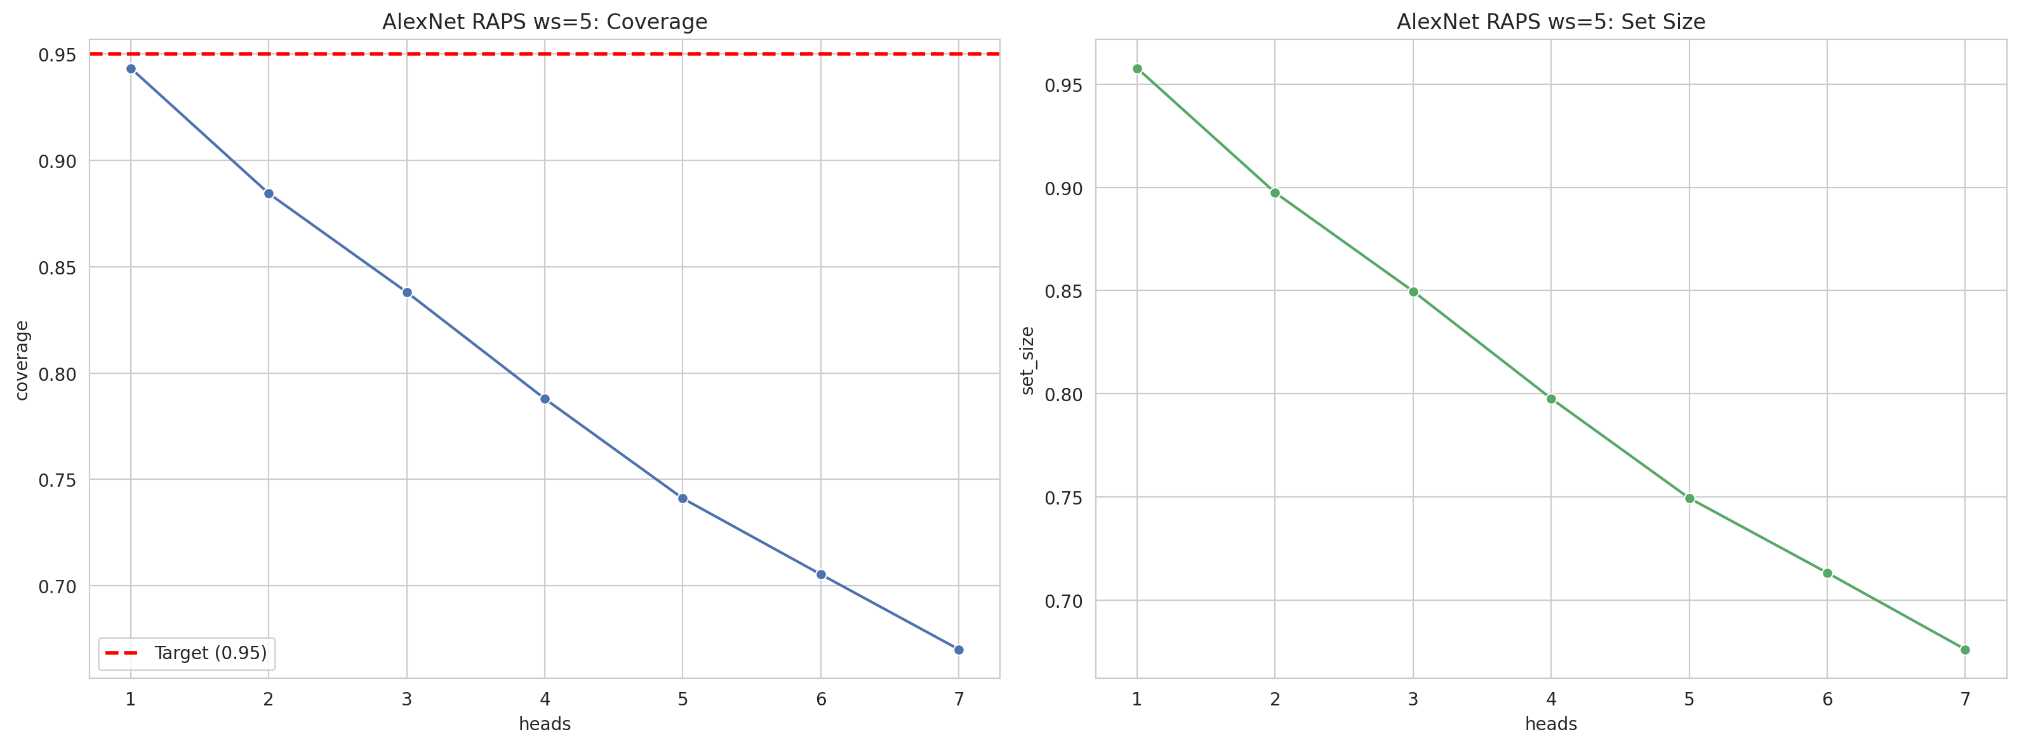
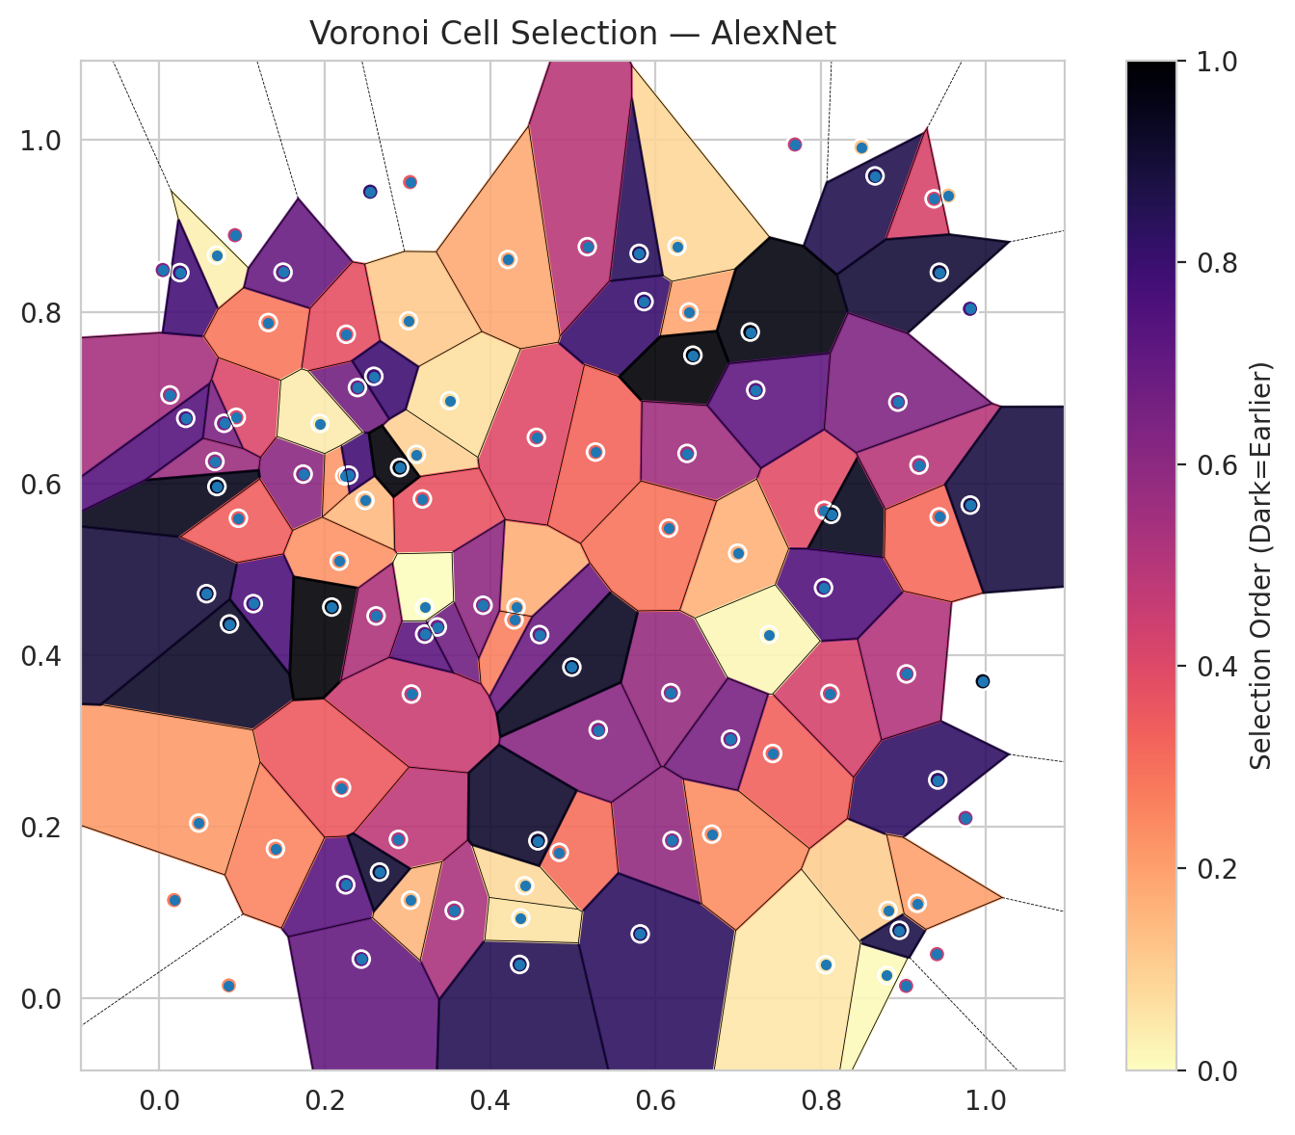
model_key | AlexNet_CNN_MultiHead
model_name | AlexNet
scoring_method | RAPS
window_size | 5
lambda | 0.5
k_iters | 1
empirical_coverage | 0.67006960557
avg_set_size | 0.67610208817
scene_coverage | 0.3145663632
scene_avg_set_size | 1.1698472714
uncertain_pixel_rate | 0.24924489192
mean_per_class_cov | 0.67092526186
runtime_sec | 53.283308766
alpha | 0.05

heads | coverage | set_size |  |  | class_id | class_coverage | support_count | Class | Pixels
1 | 0.943387471 | 0.95777262181 |  |  | 0 | 0.6772428884 | 914 | Class 0 | 35983
2 | 0.88445475638 | 0.89744779582 |  |  | 1 | 0.66079295154 | 454 | Class 1 | 13118
3 | 0.83805104408 | 0.84965197216 |  |  | 2 | 0.65642458101 | 358 | Class 2 | 14442
4 | 0.7879350348 | 0.79767981439 |  |  | 3 | 0.67948717949 | 156 | Class 3 | 3628
5 | 0.74106728538 | 0.7494199536 |  |  | 4 | 0.68269230769 | 104 | Class 4 | 3452
6 | 0.70533642691 | 0.713225058 |  |  | 5 | 0.66336633663 | 101 | Class 5 | 4295
7 | 0.67006960557 | 0.67610208817 |  |  | 6 | 0.67647058824 | 68 | Class 6 | 1141
 |  |  |  |  |  |  |  | Uncertain | 25251

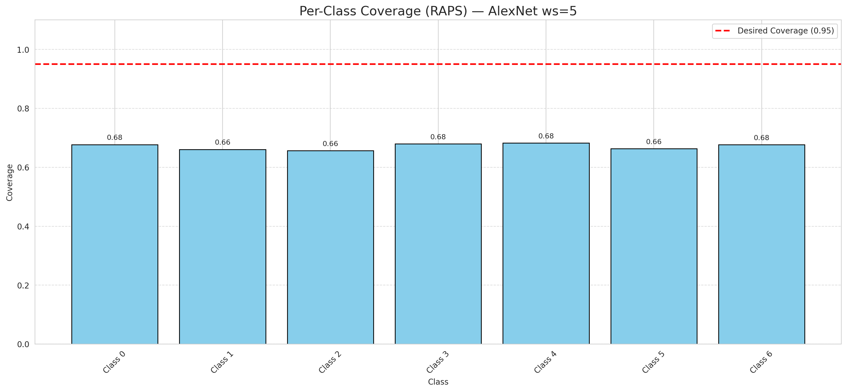

Cell Index | s1 | s2 | Selection_Order | Norm_Order(0-1) | Target
0 | 0.4314 | 0.4554 | 18 | 0.16981132075 | 0
1 | 0.8813 | 0.1022 | 11 | 0.10377358491 | 0
2 | 0.3566 | 0.1019 | 56 | 0.52830188679 | 0
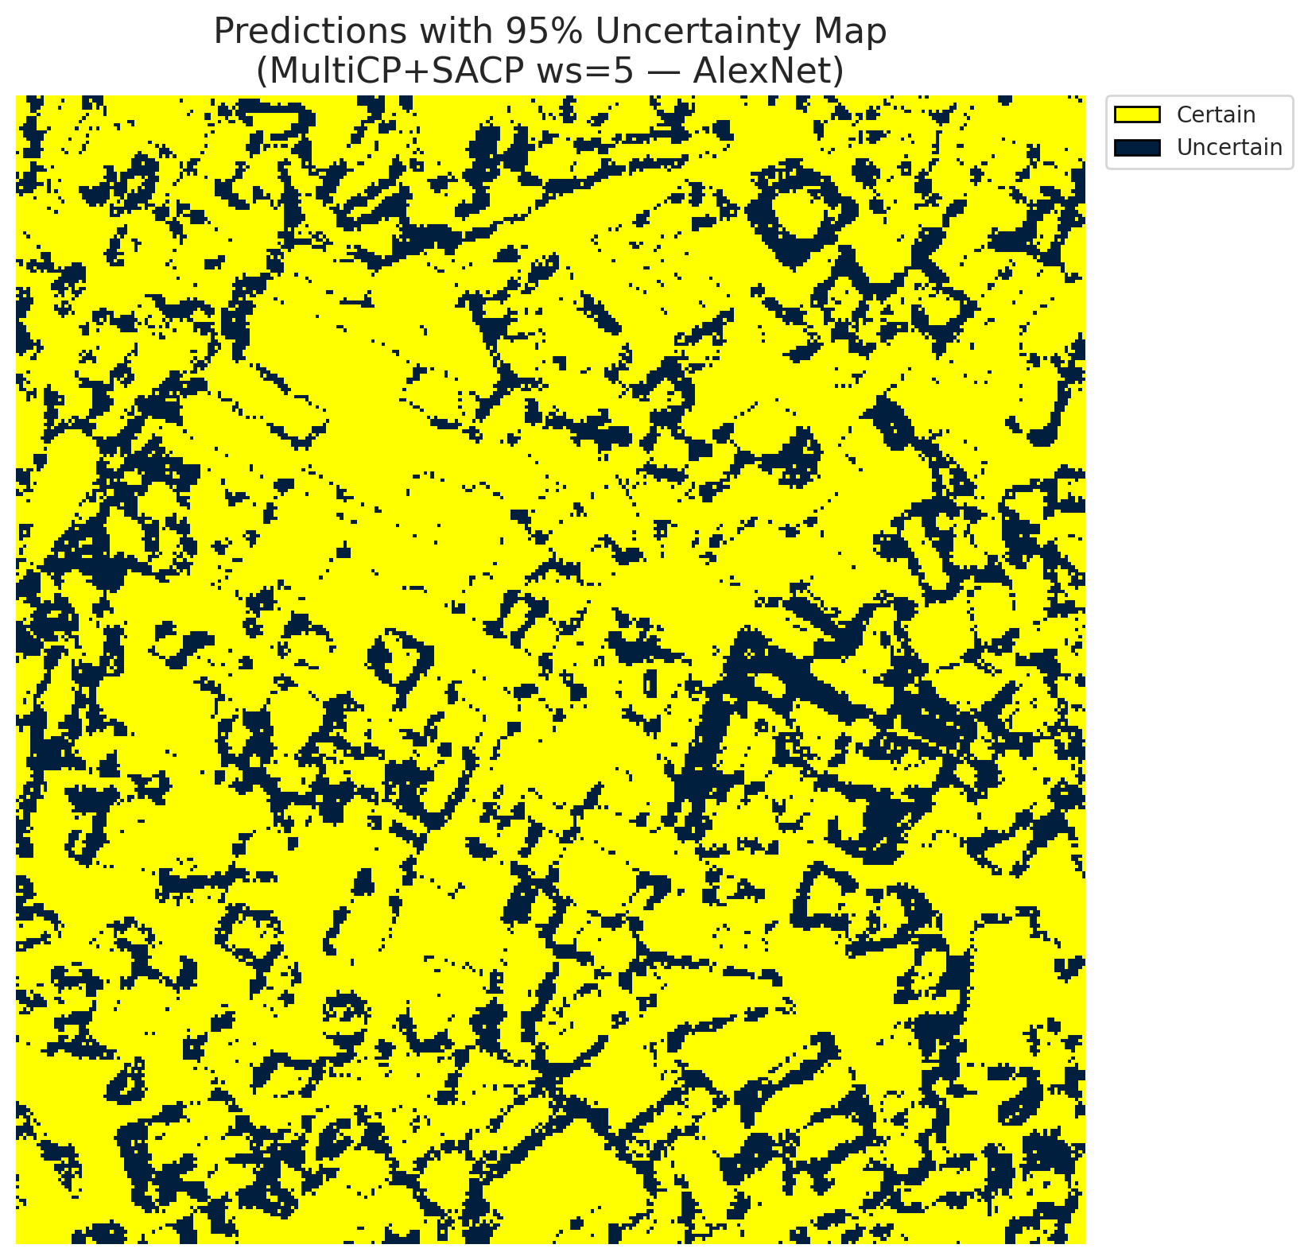
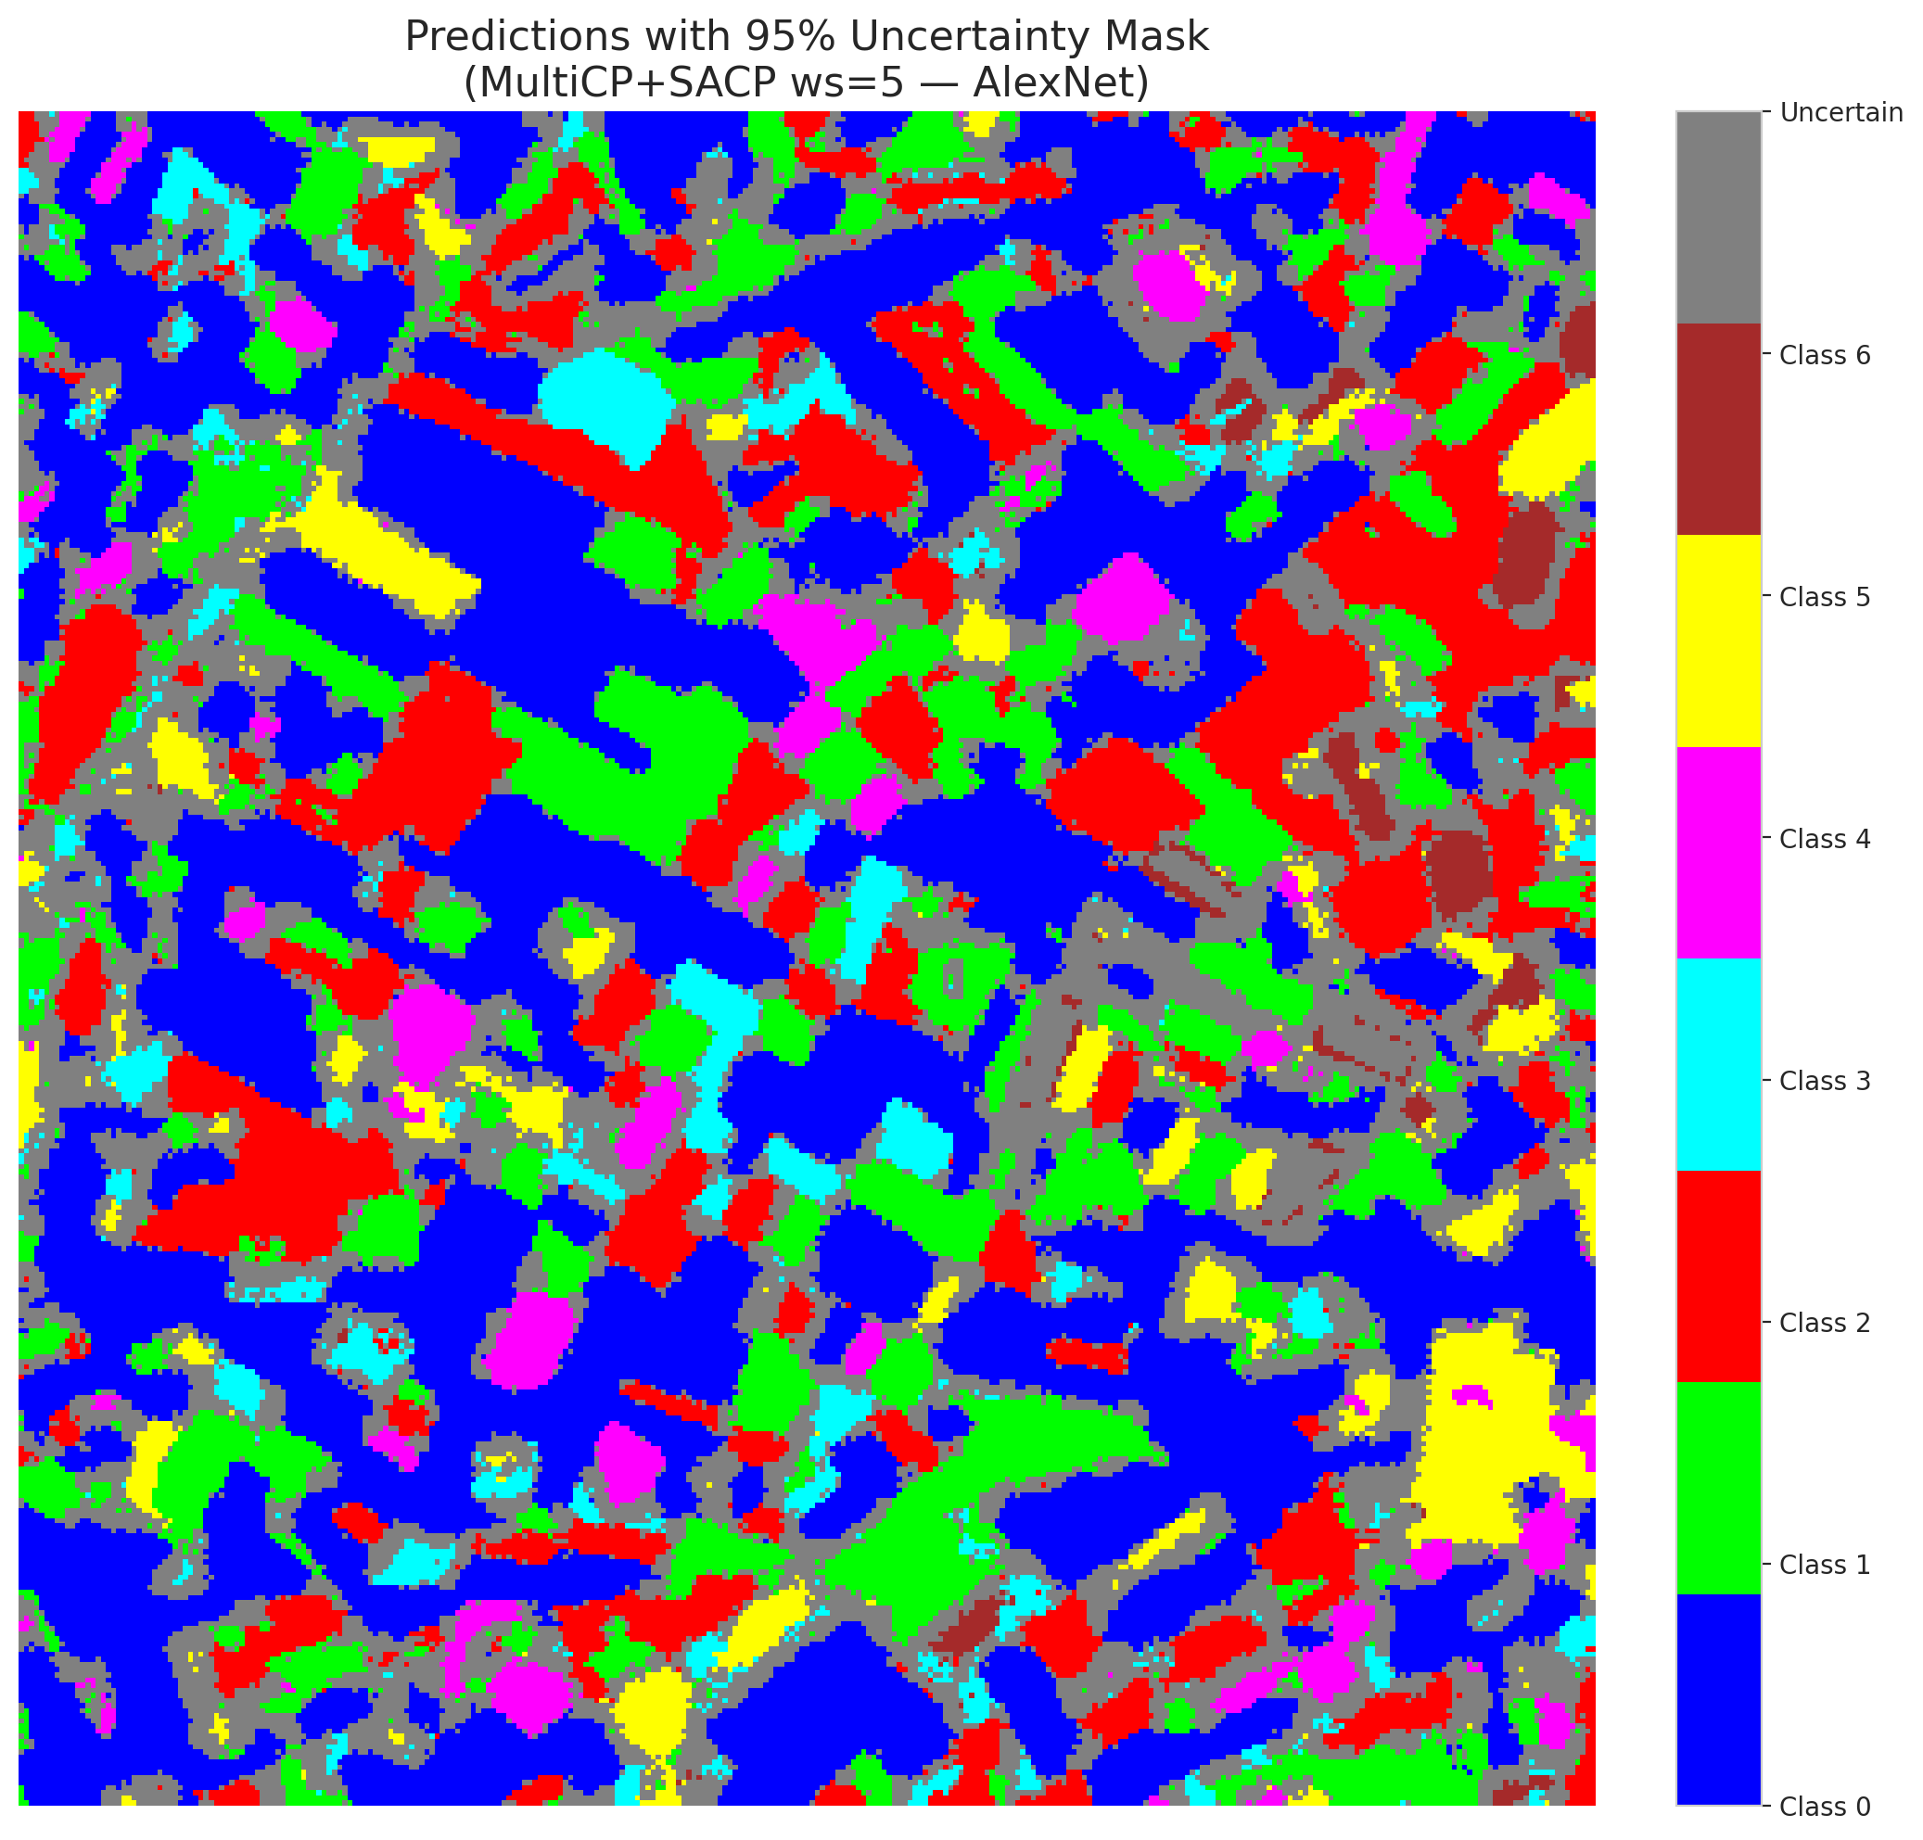
3 | 0.8042 | 0.5685 | 41 | 0.38679245283 | 2
4 | 0.2486 | 0.58 | 15 | 0.14150943396 | 6
5 | 0.3032 | 0.9511 | 38 | 0.35849056604 | 2
6 | 0.2891 | 0.1849 | 51 | 0.48113207547 | 0
7 | 0.6186 | 0.3559 | 61 | 0.57547169811 | 0
8 | 0.9414 | 0.2541 | 87 | 0.82075471698 | 0
9 | 0.7418 | 0.285 | 35 | 0.33018867925 | 1
10 | 0.1739 | 0.6107 | 64 | 0.60377358491 | 3
11 | 0.975 | 0.2098 | 59 | 0.55660377358 | 0
12 | 0.3109 | 0.6337 | 10 | 0.094339622642 | 4
13 | 0.2254 | 0.1319 | 77 | 0.72641509434 | 0
14 | 0.8797 | 0.0262 | 1 | 0.0094339622642 | 5
15 | 0.9543 | 0.9354 | 14 | 0.1320754717 | 0
16 | 0.6201 | 0.1836 | 62 | 0.58490566038 | 1
17 | 0.456 | 0.6535 | 42 | 0.39622641509 | 0
18 | 0.8656 | 0.9583 | 91 | 0.85849056604 | 2
19 | 0.351 | 0.6963 | 7 | 0.066037735849 | 3
20 | 0.3362 | 0.4325 | 71 | 0.66981132075 | 0
21 | 0.8951 | 0.0789 | 92 | 0.8679245283 | 4
22 | 0.0178 | 0.1141 | 29 | 0.27358490566 | 0
23 | 0.9959 | 0.3692 | 102 | 0.96226415094 | 0
24 | 0.093 | 0.6769 | 43 | 0.40566037736 | 1
25 | 0.5862 | 0.8118 | 85 | 0.80188679245 | 2
26 | 0.0782 | 0.6699 | 68 | 0.64150943396 | 4
27 | 0.4837 | 0.1698 | 32 | 0.30188679245 | 1
28 | 0.5816 | 0.0747 | 88 | 0.83018867925 | 0
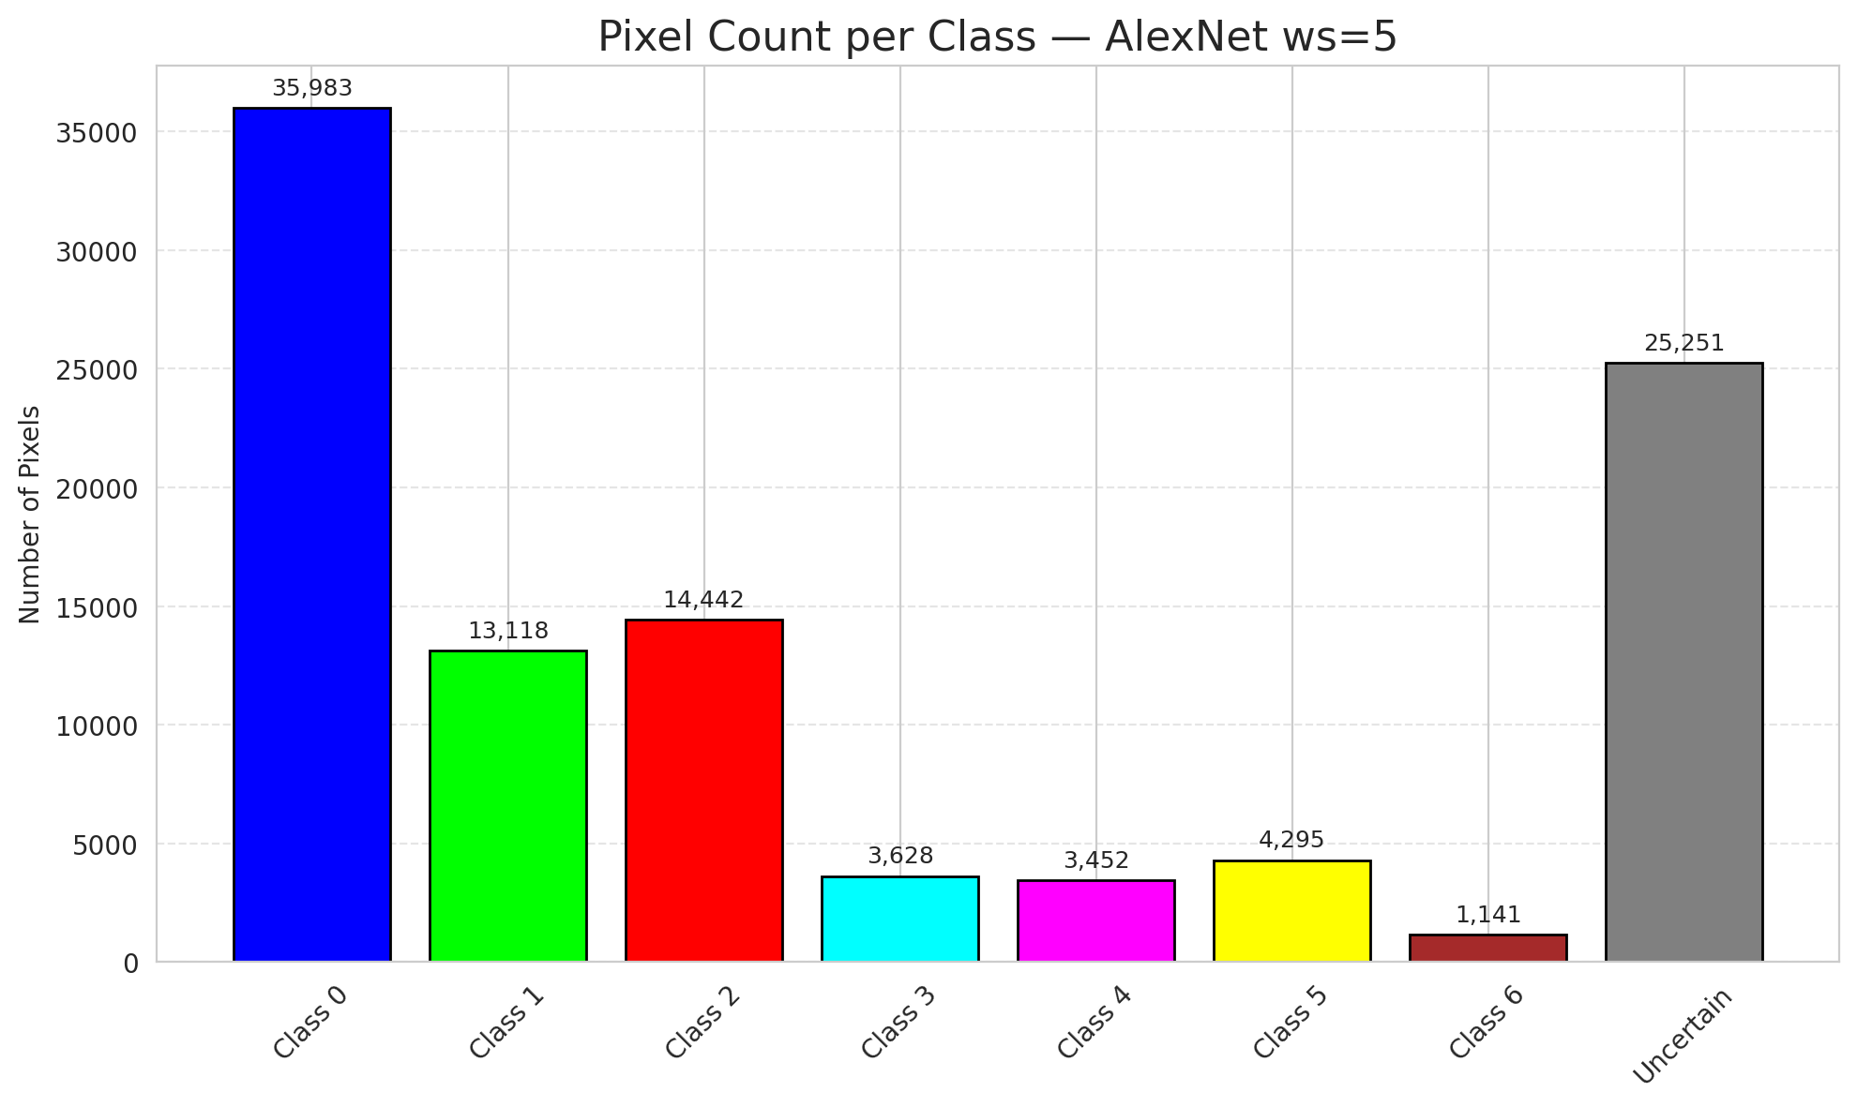
29 | 0.8111 | 0.355 | 45 | 0.42452830189 | 3
30 | 0.6406 | 0.7997 | 20 | 0.18867924528 | 0
31 | 0.2442 | 0.0453 | 74 | 0.69811320755 | 1
32 | 0.8125 | 0.5638 | 100 | 0.94339622642 | 6
33 | 0.5275 | 0.6364 | 34 | 0.32075471698 | 0
34 | 0.2175 | 0.5092 | 24 | 0.22641509434 | 5
35 | 0.7687 | 0.9949 | 49 | 0.46226415094 | 2
36 | 0.4357 | 0.0391 | 90 | 0.84905660377 | 5
37 | 0.0689 | 0.8658 | 3 | 0.028301886792 | 2
38 | 0.429 | 0.4408 | 28 | 0.2641509434 | 4
39 | 0.8057 | 0.0387 | 5 | 0.047169811321 | 1
40 | 0.2242 | 0.6086 | 23 | 0.21698113208 | 0
41 | 0.6262 | 0.8763 | 9 | 0.084905660377 | 0
42 | 0.3048 | 0.3543 | 48 | 0.45283018868 | 0
43 | 0.1404 | 0.1739 | 27 | 0.25471698113 | 0
44 | 0.937 | 0.9316 | 44 | 0.41509433962 | 0
45 | 0.4599 | 0.4236 | 72 | 0.67924528302 | 0
46 | 0.0041 | 0.8486 | 66 | 0.62264150943 | 0
47 | 0.1136 | 0.4597 | 80 | 0.75471698113 | 1
48 | 0.6453 | 0.7493 | 106 | 1 | 0
49 | 0.7147 | 0.7763 | 103 | 0.97169811321 | 2
50 | 0.4419 | 0.1308 | 8 | 0.075471698113 | 0
51 | 0.0672 | 0.6254 | 60 | 0.56603773585 | 0
52 | 0.0848 | 0.436 | 98 | 0.92452830189 | 6
53 | 0.2203 | 0.2451 | 37 | 0.34905660377 | 3
54 | 0.3037 | 0.114 | 16 | 0.15094339623 | 0
55 | 0.0476 | 0.2039 | 22 | 0.20754716981 | 6
56 | 0.9804 | 0.8034 | 81 | 0.7641509434 | 2
57 | 0.6681 | 0.191 | 25 | 0.2358490566 | 2
58 | 0.0128 | 0.703 | 57 | 0.53773584906 | 0
59 | 0.3013 | 0.7894 | 12 | 0.11320754717 | 2
60 | 0.5308 | 0.3125 | 65 | 0.61320754717 | 3
61 | 0.9036 | 0.3778 | 54 | 0.50943396226 | 2
62 | 0.9434 | 0.846 | 95 | 0.89622641509 | 1
63 | 0.9405 | 0.0511 | 46 | 0.43396226415 | 0
64 | 0.4989 | 0.3857 | 99 | 0.93396226415 | 1
65 | 0.2396 | 0.7116 | 70 | 0.66037735849 | 0
66 | 0.3181 | 0.5817 | 39 | 0.3679245283 | 0
67 | 0.0696 | 0.5962 | 101 | 0.95283018868 | 2
68 | 0.0248 | 0.8456 | 82 | 0.77358490566 | 0
69 | 0.1318 | 0.7874 | 30 | 0.28301886792 | 0
70 | 0.5803 | 0.868 | 89 | 0.83962264151 | 1
71 | 0.8033 | 0.4783 | 79 | 0.74528301887 | 5
72 | 0.3209 | 0.4242 | 76 | 0.71698113208 | 2
73 | 0.0319 | 0.6757 | 78 | 0.7358490566 | 0
74 | 0.8492 | 0.9917 | 13 | 0.12264150943 | 2
75 | 0.4371 | 0.0933 | 6 | 0.056603773585 | 5
76 | 0.3915 | 0.4578 | 63 | 0.59433962264 | 1
77 | 0.1496 | 0.8461 | 73 | 0.68867924528 | 3
78 | 0.6382 | 0.6348 | 58 | 0.54716981132 | 0
79 | 0.6994 | 0.5186 | 17 | 0.16037735849 | 0
80 | 0.2291 | 0.6095 | 83 | 0.78301886792 | 1
81 | 0.5176 | 0.8758 | 52 | 0.49056603774 | 1
82 | 0.9032 | 0.0141 | 47 | 0.44339622642 | 6
83 | 0.2663 | 0.1468 | 96 | 0.90566037736 | 1
84 | 0.4578 | 0.1832 | 97 | 0.91509433962 | 1
85 | 0.7213 | 0.7087 | 75 | 0.70754716981 | 2
86 | 0.226 | 0.7737 | 40 | 0.37735849057 | 0
87 | 0.4216 | 0.8609 | 19 | 0.17924528302 | 0
88 | 0.1942 | 0.6697 | 4 | 0.037735849057 | 0
89 | 0.9167 | 0.1103 | 21 | 0.19811320755 | 1
90 | 0.9188 | 0.6212 | 53 | 0.5 | 2
91 | 0.8932 | 0.6946 | 67 | 0.6320754717 | 0
92 | 0.7374 | 0.4236 | 2 | 0.018867924528 | 0
93 | 0.0914 | 0.8892 | 50 | 0.47169811321 | 4
94 | 0.084 | 0.0146 | 26 | 0.24528301887 | 1
95 | 0.9432 | 0.5608 | 33 | 0.31132075472 | 0
96 | 0.3207 | 0.4553 | 0 | 0 | 2
97 | 0.057 | 0.4713 | 94 | 0.88679245283 | 0
98 | 0.0956 | 0.5592 | 36 | 0.33962264151 | 0
99 | 0.2085 | 0.4557 | 105 | 0.99056603774 | 1
100 | 0.2621 | 0.4454 | 55 | 0.51886792453 | 3
101 | 0.2594 | 0.7247 | 84 | 0.79245283019 | 3
102 | 0.9808 | 0.5746 | 93 | 0.87735849057 | 6
103 | 0.255 | 0.9399 | 86 | 0.81132075472 | 0
104 | 0.6907 | 0.3017 | 69 | 0.65094339623 | 4
105 | 0.6159 | 0.5477 | 31 | 0.29245283019 | 1
106 | 0.2906 | 0.6183 | 104 | 0.98113207547 | 0

AlexNet_SAPS_ws5
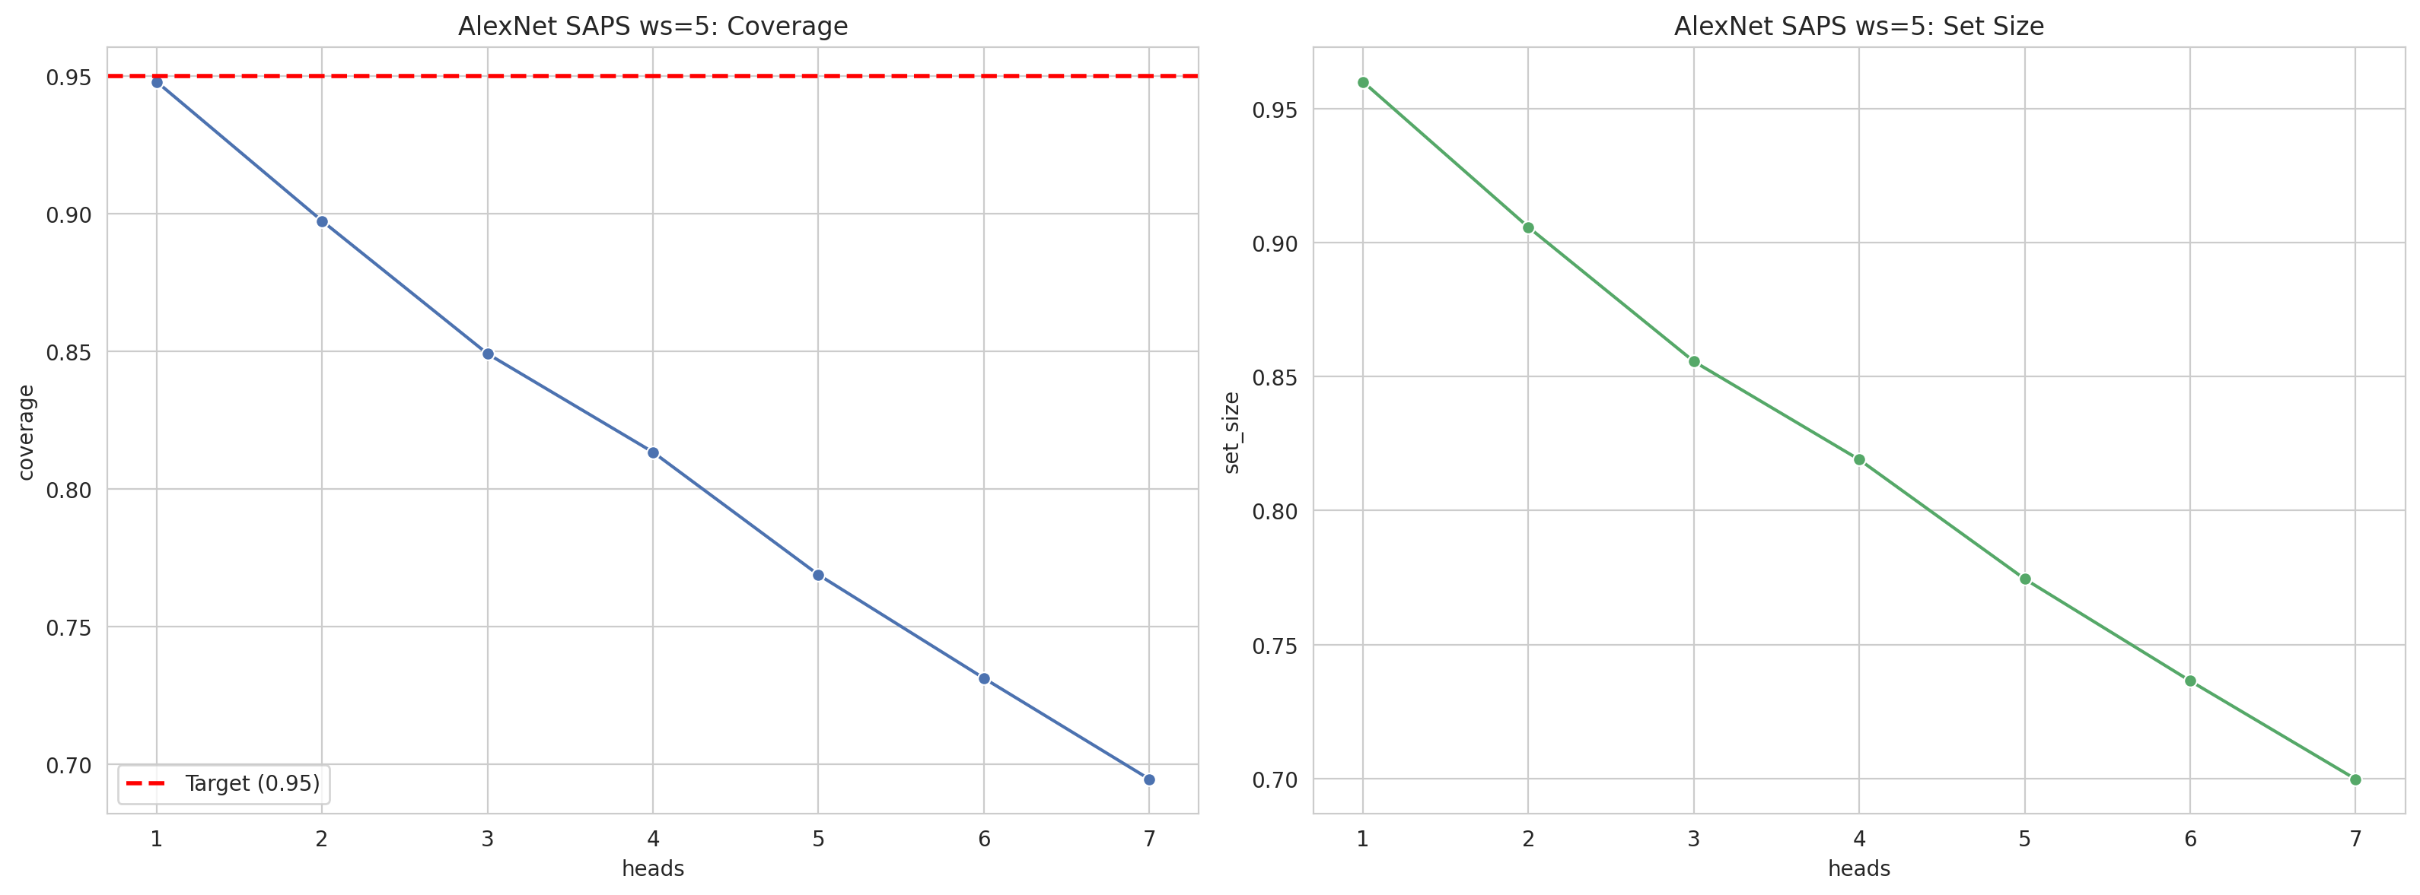
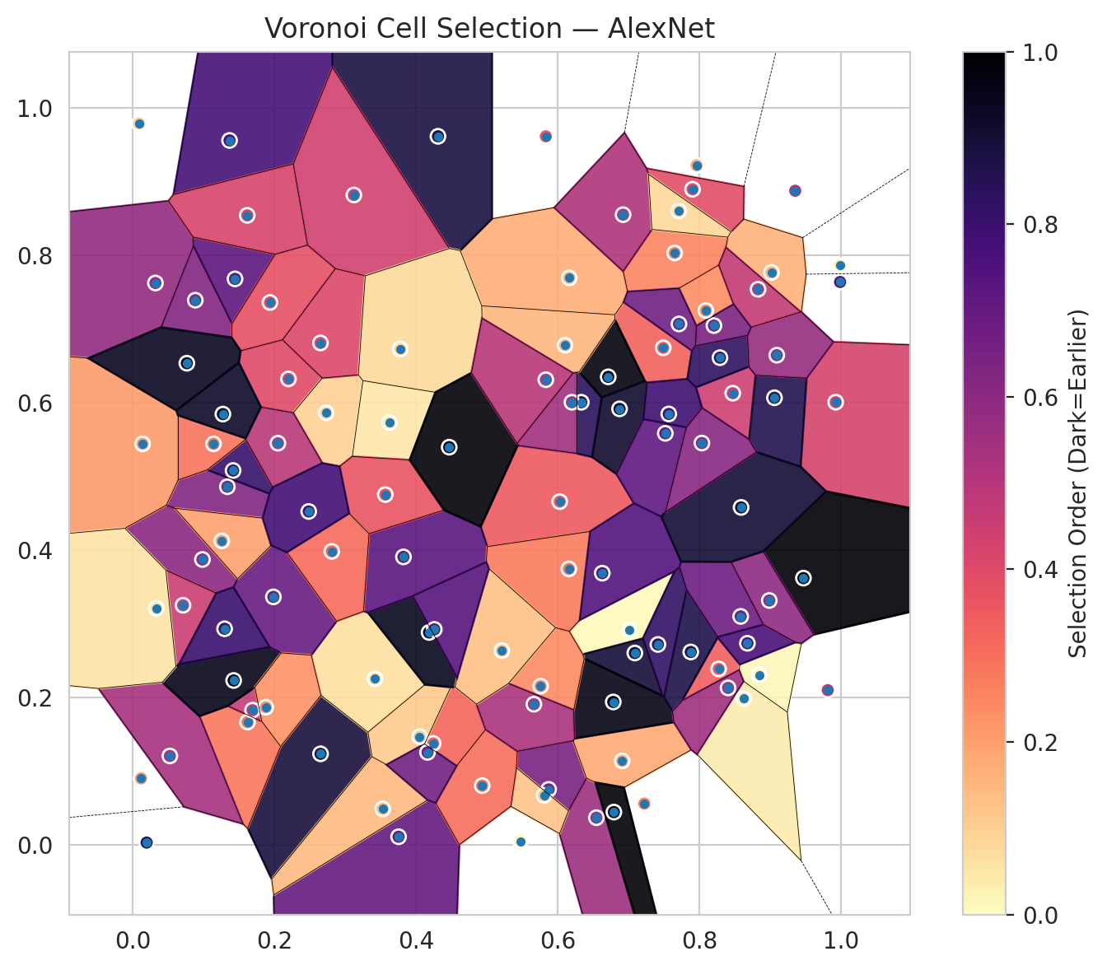
model_key | AlexNet_CNN_MultiHead
model_name | AlexNet
scoring_method | SAPS
window_size | 5
lambda | 0.5
k_iters | 1
empirical_coverage | 0.69466357309
avg_set_size | 0.69976798144
scene_coverage | 0.27761140393
scene_avg_set_size | 0.97862395427
uncertain_pixel_rate | 0.88530253677
mean_per_class_cov | 0.69122879922
runtime_sec | 53.274894317
alpha | 0.05

heads | coverage | set_size |  |  | class_id | class_coverage | support_count | Class | Pixels
1 | 0.94802784223 | 0.96009280742 |  |  | 0 | 0.69803063457 | 914 | Class 0 | 6736
2 | 0.89744779582 | 0.90580046404 |  |  | 1 | 0.69162995595 | 454 | Class 1 | 1530
3 | 0.84918793503 | 0.85568445476 |  |  | 2 | 0.7094972067 | 358 | Class 2 | 1994
4 | 0.81345707657 | 0.81902552204 |  |  | 3 | 0.63461538462 | 156 | Class 3 | 246
5 | 0.76890951276 | 0.77447795824 |  |  | 4 | 0.74038461538 | 104 | Class 4 | 434
6 | 0.7313225058 | 0.73642691415 |  |  | 5 | 0.67326732673 | 101 | Class 5 | 553
7 | 0.69466357309 | 0.69976798144 |  |  | 6 | 0.69117647059 | 68 | Class 6 | 127
 |  |  |  |  |  |  |  | Uncertain | 89690

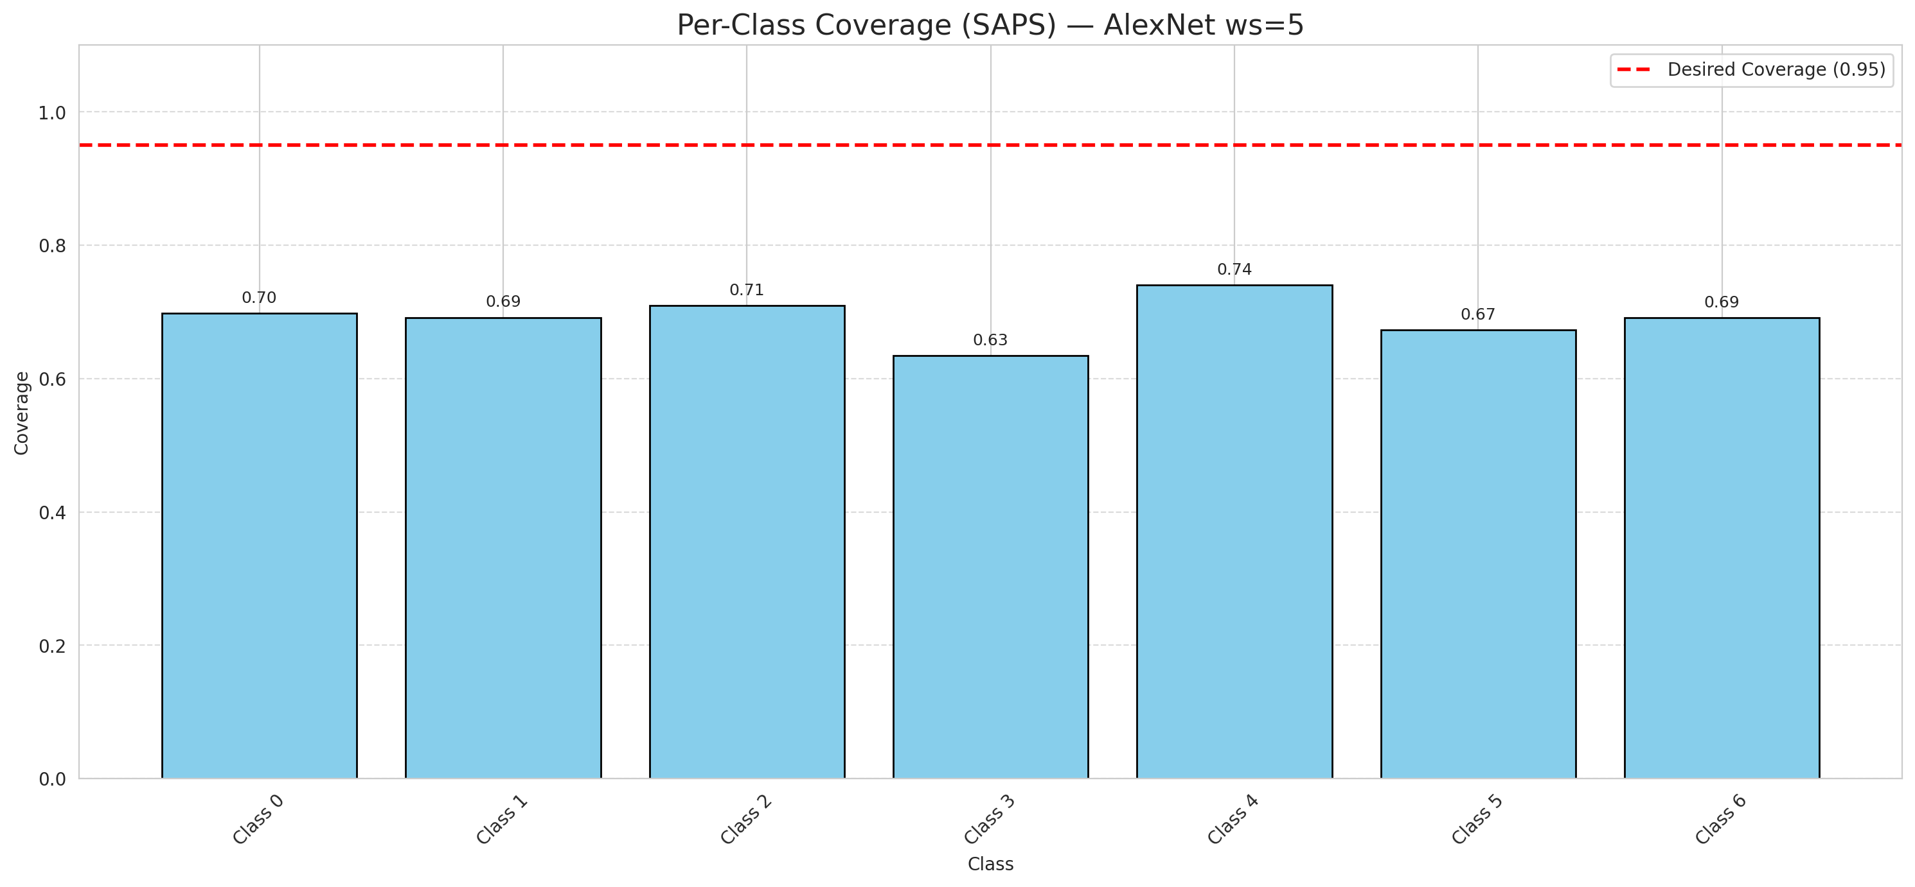

Cell Index | s1 | s2 | Selection_Order | Norm_Order(0-1) | Target
0 | 0.2653 | 0.1232 | 94 | 0.88679245283 | 0
1 | 0.7493 | 0.6745 | 35 | 0.33018867925 | 0
2 | 0.3755 | 0.0106 | 74 | 0.69811320755 | 0
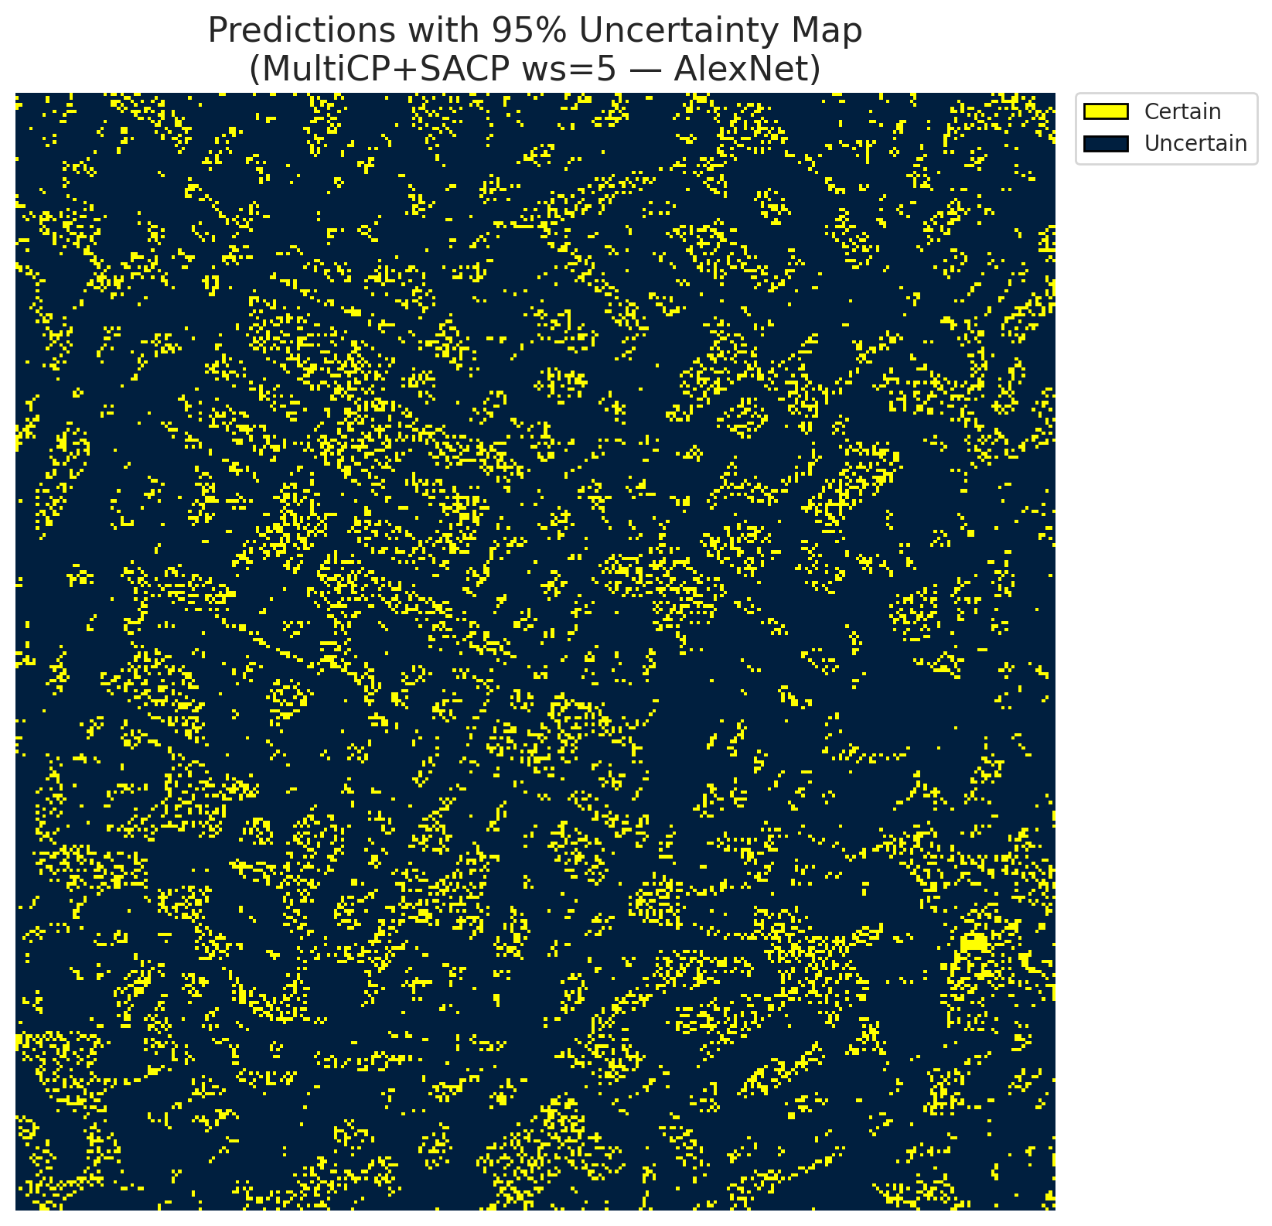
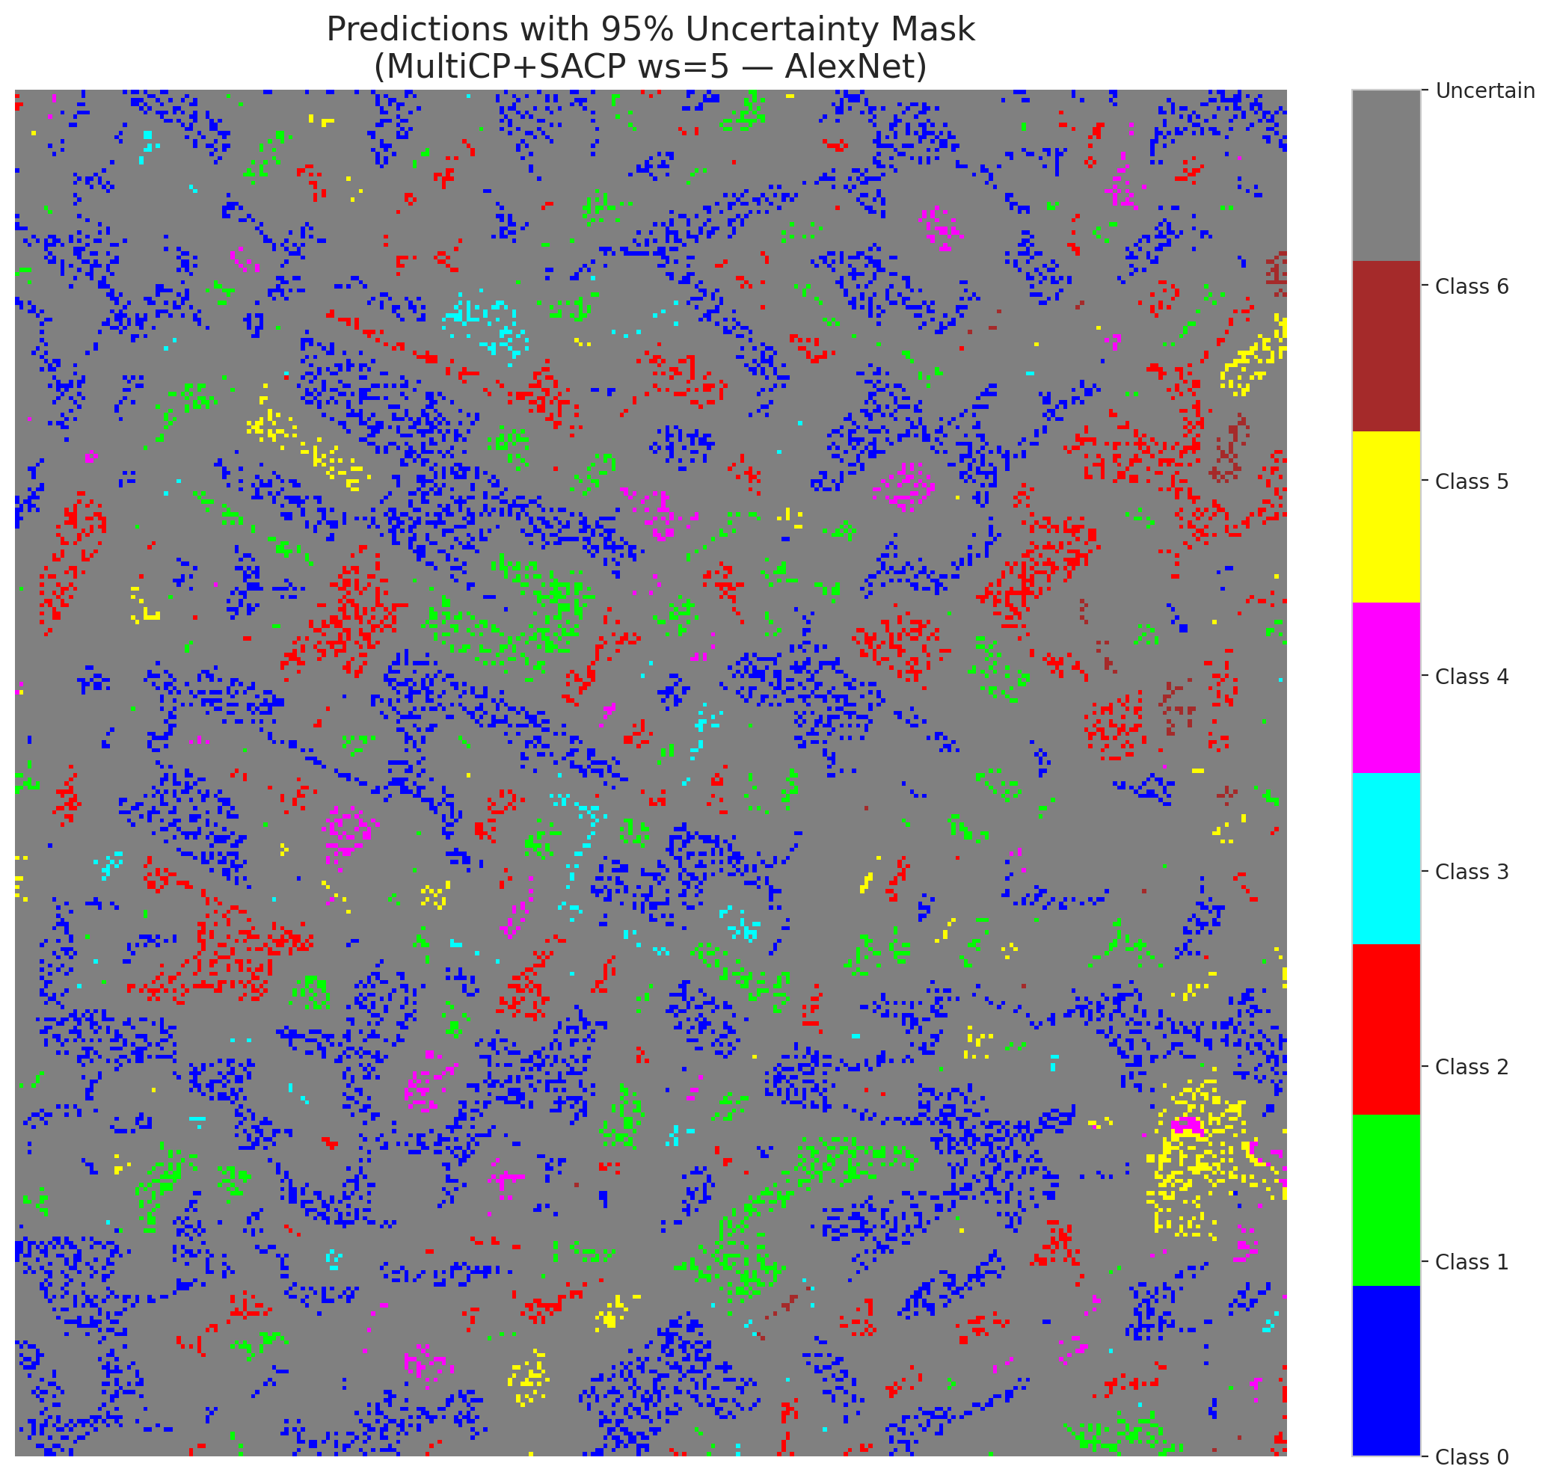
3 | 0.7965 | 0.9222 | 20 | 0.18867924528 | 2
4 | 0.6031 | 0.4657 | 37 | 0.34905660377 | 6
5 | 0.3531 | 0.0484 | 15 | 0.14150943396 | 2
6 | 0.4244 | 0.1373 | 34 | 0.32075471698 | 0
7 | 0.7012 | 0.2916 | 1 | 0.0094339622642 | 0
8 | 0.1622 | 0.1663 | 30 | 0.28301886792 | 0
9 | 0.5875 | 0.0749 | 69 | 0.65094339623 | 1
10 | 0.0119 | 0.0898 | 23 | 0.21698113208 | 3
11 | 0.6549 | 0.0365 | 60 | 0.56603773585 | 0
12 | 0.8276 | 0.2385 | 36 | 0.33962264151 | 4
13 | 0.9817 | 0.2097 | 51 | 0.48113207547 | 0
14 | 0.0985 | 0.3871 | 64 | 0.60377358491 | 5
15 | 0.1368 | 0.9561 | 82 | 0.77358490566 | 0
16 | 0.0884 | 0.7392 | 66 | 0.62264150943 | 1
17 | 0.581 | 0.0667 | 13 | 0.12264150943 | 0
18 | 0.6165 | 0.7695 | 18 | 0.16981132075 | 2
19 | 0.6336 | 0.6006 | 89 | 0.83962264151 | 3
20 | 0.9988 | 0.7864 | 3 | 0.028301886792 | 0
21 | 0.6913 | 0.1136 | 19 | 0.17924528302 | 4
22 | 0.5835 | 0.9617 | 38 | 0.35849056604 | 0
23 | 0.1445 | 0.7681 | 76 | 0.71698113208 | 0
24 | 0.1693 | 0.1825 | 49 | 0.46226415094 | 1
25 | 0.0711 | 0.3249 | 48 | 0.45283018868 | 2
26 | 0.3422 | 0.2251 | 7 | 0.066037735849 | 4
27 | 0.6716 | 0.6351 | 103 | 0.97169811321 | 1
28 | 0.4052 | 0.1465 | 12 | 0.11320754717 | 0
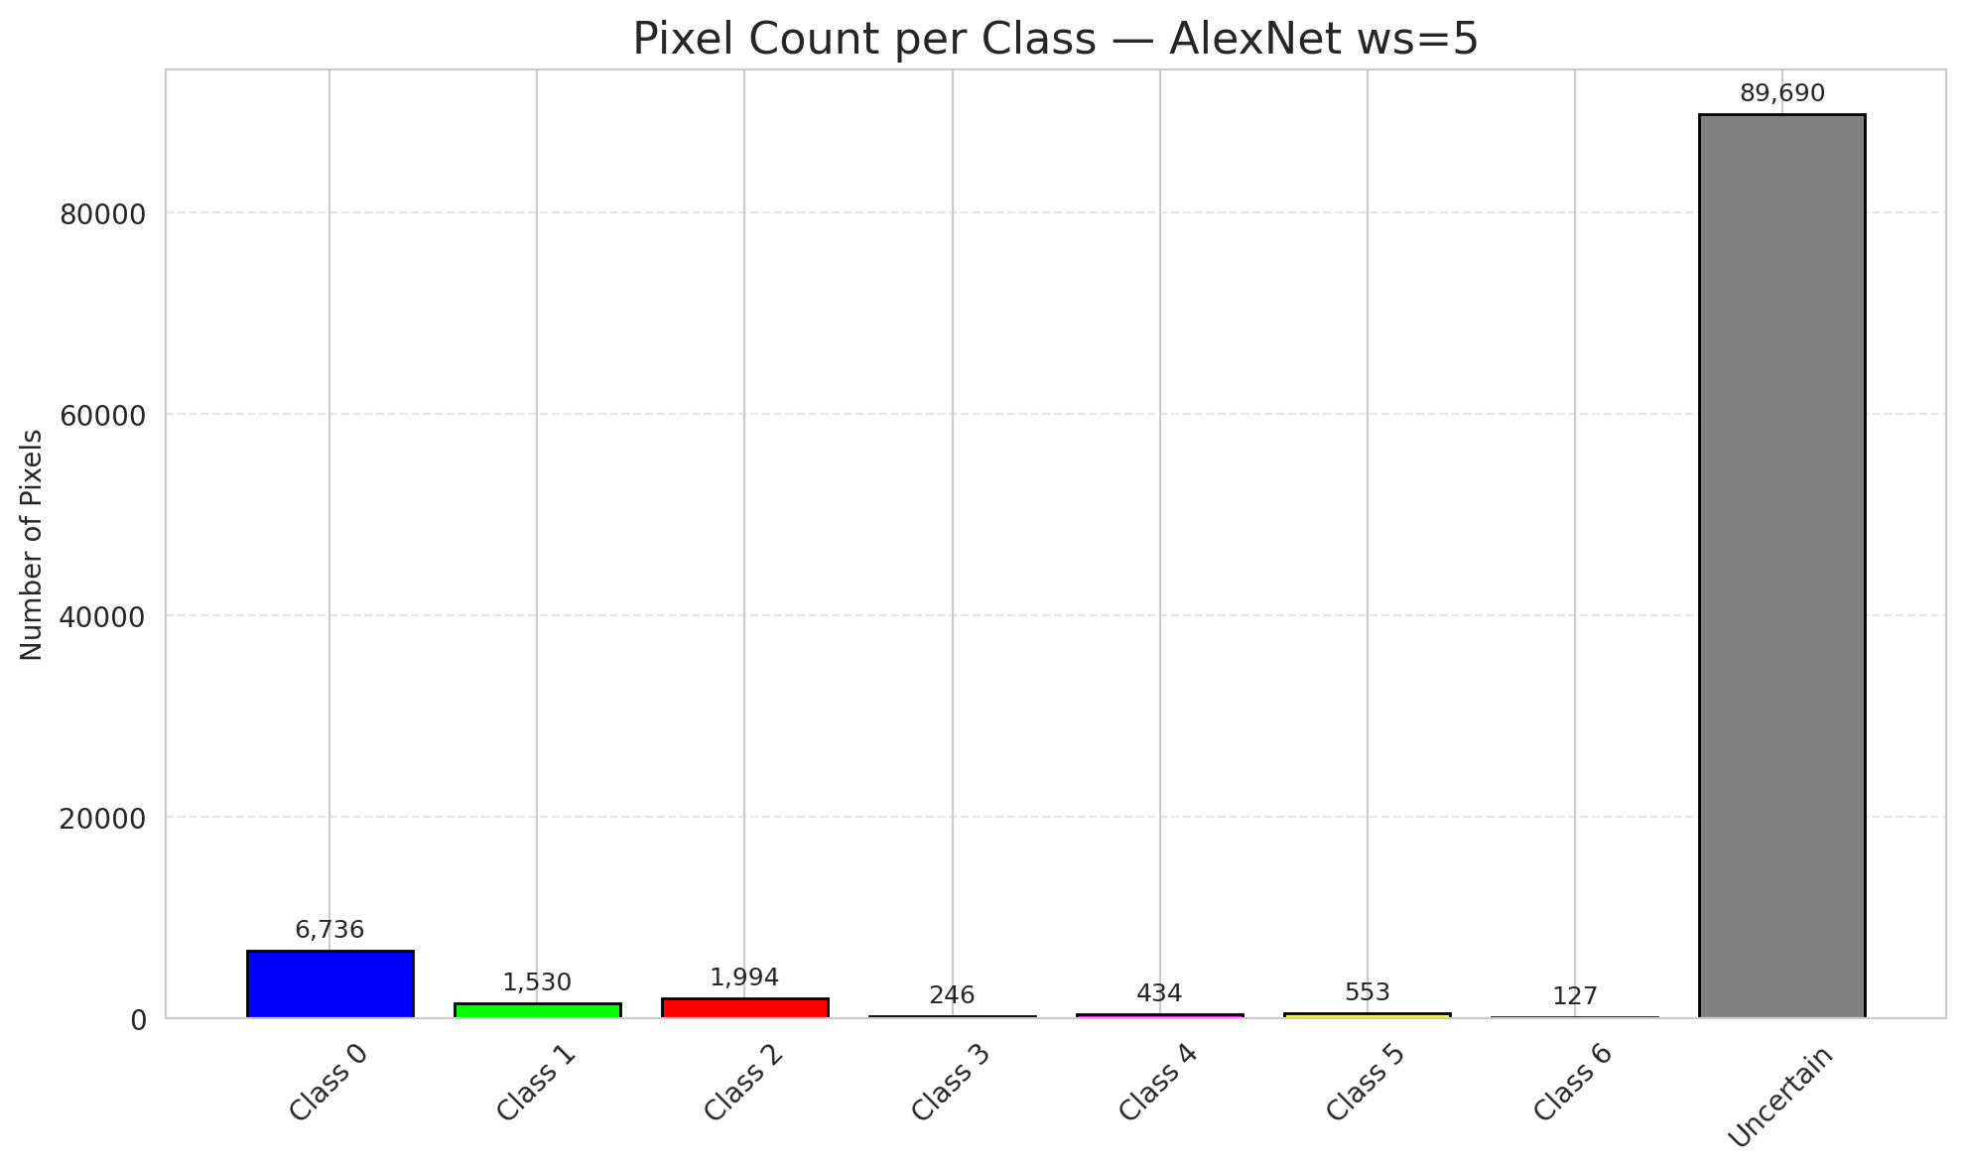
29 | 0.6876 | 0.5916 | 97 | 0.91509433962 | 3
30 | 0.8628 | 0.1982 | 4 | 0.037735849057 | 0
31 | 0.1337 | 0.4859 | 67 | 0.6320754717 | 1
32 | 0.0525 | 0.1203 | 57 | 0.53773584906 | 6
33 | 0.1418 | 0.5079 | 86 | 0.81132075472 | 0
34 | 0.9991 | 0.7639 | 80 | 0.75471698113 | 5
35 | 0.7522 | 0.5584 | 75 | 0.70754716981 | 2
36 | 0.8094 | 0.7252 | 25 | 0.2358490566 | 5
37 | 0.9357 | 0.8878 | 54 | 0.50943396226 | 2
38 | 0.9929 | 0.6007 | 45 | 0.42452830189 | 4
39 | 0.0197 | 0.0027 | 90 | 0.84905660377 | 1
40 | 0.4312 | 0.9617 | 93 | 0.87735849057 | 0
41 | 0.4186 | 0.288 | 100 | 0.94339622642 | 0
42 | 0.9473 | 0.3618 | 106 | 1 | 0
43 | 0.1939 | 0.7361 | 40 | 0.37735849057 | 0
44 | 0.22 | 0.6323 | 42 | 0.39622641509 | 0
45 | 0.0091 | 0.9791 | 11 | 0.10377358491 | 0
46 | 0.0321 | 0.7625 | 62 | 0.58490566038 | 0
47 | 0.2732 | 0.5861 | 10 | 0.094339622642 | 1
48 | 0.1618 | 0.8544 | 44 | 0.41509433962 | 0
49 | 0.8475 | 0.6129 | 47 | 0.44339622642 | 2
50 | 0.1426 | 0.2228 | 101 | 0.95283018868 | 0
51 | 0.6106 | 0.678 | 16 | 0.15094339623 | 0
52 | 0.3124 | 0.882 | 46 | 0.43396226415 | 6
53 | 0.014 | 0.5441 | 22 | 0.20754716981 | 3
54 | 0.8294 | 0.6611 | 88 | 0.83018867925 | 0
55 | 0.1987 | 0.3363 | 73 | 0.68867924528 | 6
56 | 0.7092 | 0.2601 | 95 | 0.89622641509 | 2
57 | 0.9021 | 0.7768 | 17 | 0.16037735849 | 2
58 | 0.0765 | 0.6536 | 99 | 0.93396226415 | 0
59 | 0.4936 | 0.08 | 32 | 0.30188679245 | 2
60 | 0.7654 | 0.8033 | 27 | 0.25471698113 | 3
61 | 0.2051 | 0.545 | 52 | 0.49056603774 | 2
62 | 0.2652 | 0.6811 | 43 | 0.40566037736 | 1
63 | 0.3625 | 0.5731 | 5 | 0.047169811321 | 0
64 | 0.9064 | 0.6067 | 91 | 0.85849056604 | 1
65 | 0.3824 | 0.3906 | 77 | 0.72641509434 | 0
66 | 0.3779 | 0.6729 | 8 | 0.075471698113 | 0
67 | 0.1142 | 0.5441 | 31 | 0.29245283019 | 2
68 | 0.1274 | 0.5845 | 98 | 0.92452830189 | 0
69 | 0.6787 | 0.1936 | 102 | 0.96226415094 | 0
70 | 0.5762 | 0.2152 | 26 | 0.24528301887 | 1
71 | 0.4164 | 0.1252 | 70 | 0.66037735849 | 5
72 | 0.7882 | 0.2615 | 92 | 0.8679245283 | 2
73 | 0.9097 | 0.6645 | 61 | 0.57547169811 | 0
74 | 0.7907 | 0.8898 | 41 | 0.38679245283 | 2
75 | 0.8846 | 0.2304 | 2 | 0.018867924528 | 5
76 | 0.7418 | 0.2717 | 87 | 0.82075471698 | 1
77 | 0.6926 | 0.8553 | 55 | 0.51886792453 | 3
78 | 0.188 | 0.1865 | 24 | 0.22641509434 | 0
79 | 0.8587 | 0.3098 | 72 | 0.67924528302 | 0
80 | 0.616 | 0.3743 | 29 | 0.27358490566 | 1
81 | 0.8682 | 0.2733 | 81 | 0.7641509434 | 1
82 | 0.7715 | 0.7069 | 71 | 0.66981132075 | 6
83 | 0.5476 | 0.0046 | 0 | 0 | 1
84 | 0.6204 | 0.6006 | 58 | 0.54716981132 | 1
85 | 0.8991 | 0.3314 | 63 | 0.59433962264 | 2
86 | 0.8832 | 0.754 | 50 | 0.47169811321 | 0
87 | 0.1258 | 0.4123 | 21 | 0.19811320755 | 0
88 | 0.7571 | 0.5847 | 84 | 0.79245283019 | 0
89 | 0.6632 | 0.3685 | 79 | 0.74528301887 | 1
90 | 0.5666 | 0.1906 | 56 | 0.52830188679 | 2
91 | 0.7226 | 0.0555 | 28 | 0.2641509434 | 0
92 | 0.8593 | 0.4578 | 96 | 0.90566037736 | 0
93 | 0.8039 | 0.5452 | 65 | 0.61320754717 | 4
94 | 0.771 | 0.8604 | 9 | 0.084905660377 | 1
95 | 0.5214 | 0.2633 | 14 | 0.1320754717 | 0
96 | 0.3568 | 0.4752 | 39 | 0.3679245283 | 2
97 | 0.1298 | 0.293 | 85 | 0.80188679245 | 0
98 | 0.8409 | 0.2127 | 59 | 0.55660377358 | 0
99 | 0.426 | 0.2922 | 78 | 0.7358490566 | 1
100 | 0.8209 | 0.7047 | 68 | 0.64150943396 | 3
101 | 0.447 | 0.5396 | 104 | 0.98113207547 | 3
102 | 0.6796 | 0.0441 | 105 | 0.99056603774 | 6
103 | 0.2812 | 0.3981 | 33 | 0.31132075472 | 0
104 | 0.2486 | 0.4523 | 83 | 0.78301886792 | 4
105 | 0.0334 | 0.3208 | 6 | 0.056603773585 | 1
106 | 0.5835 | 0.6312 | 53 | 0.5 | 0

GFNet_RAPS_ws5
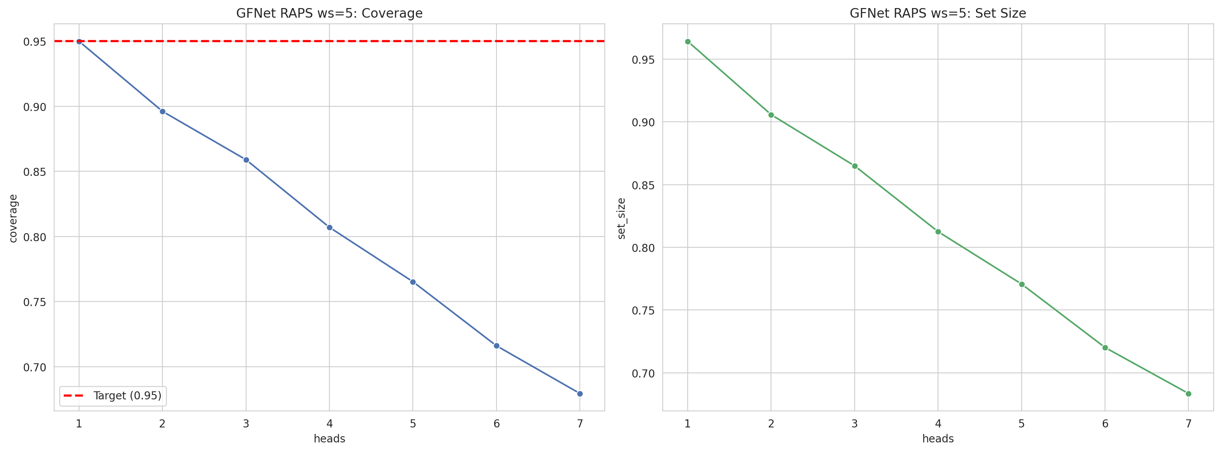
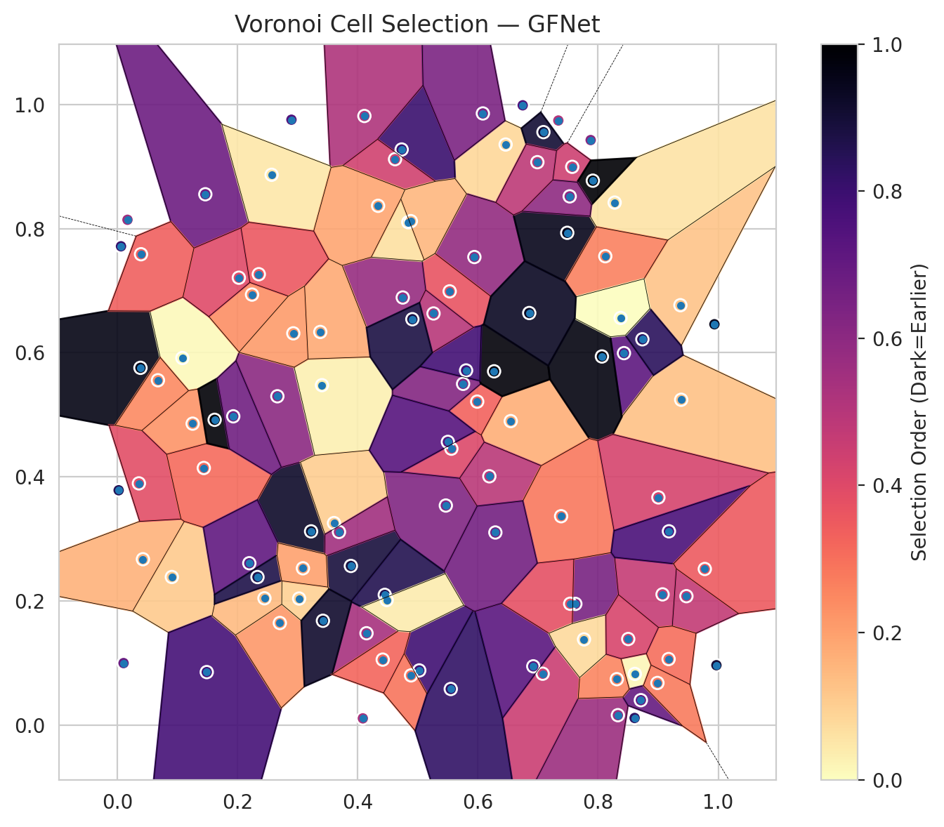
model_key | GFNet_MultiHead
model_name | GFNet
scoring_method | RAPS
window_size | 5
lambda | 0.5
k_iters | 1
empirical_coverage | 0.67935034803
avg_set_size | 0.68352668213
scene_coverage | 0.32402970771
scene_avg_set_size | 1.1421397878
uncertain_pixel_rate | 0.22632514066
mean_per_class_cov | 0.67555521368
runtime_sec | 55.243421429
alpha | 0.05

heads | coverage | set_size |  |  | class_id | class_coverage | support_count | Class | Pixels
1 | 0.94988399072 | 0.96426914153 |  |  | 0 | 0.69256017505 | 914 | Class 0 | 38034
2 | 0.89605568445 | 0.90580046404 |  |  | 1 | 0.65859030837 | 454 | Class 1 | 14024
3 | 0.85893271462 | 0.86496519722 |  |  | 2 | 0.68156424581 | 358 | Class 2 | 14501
4 | 0.80696055684 | 0.81252900232 |  |  | 3 | 0.67307692308 | 156 | Class 3 | 3760
5 | 0.76519721578 | 0.77076566125 |  |  | 4 | 0.65384615385 | 104 | Class 4 | 3705
6 | 0.71600928074 | 0.72018561485 |  |  | 5 | 0.66336633663 | 101 | Class 5 | 3014
7 | 0.67935034803 | 0.68352668213 |  |  | 6 | 0.70588235294 | 68 | Class 6 | 1343
 |  |  |  |  |  |  |  | Uncertain | 22929

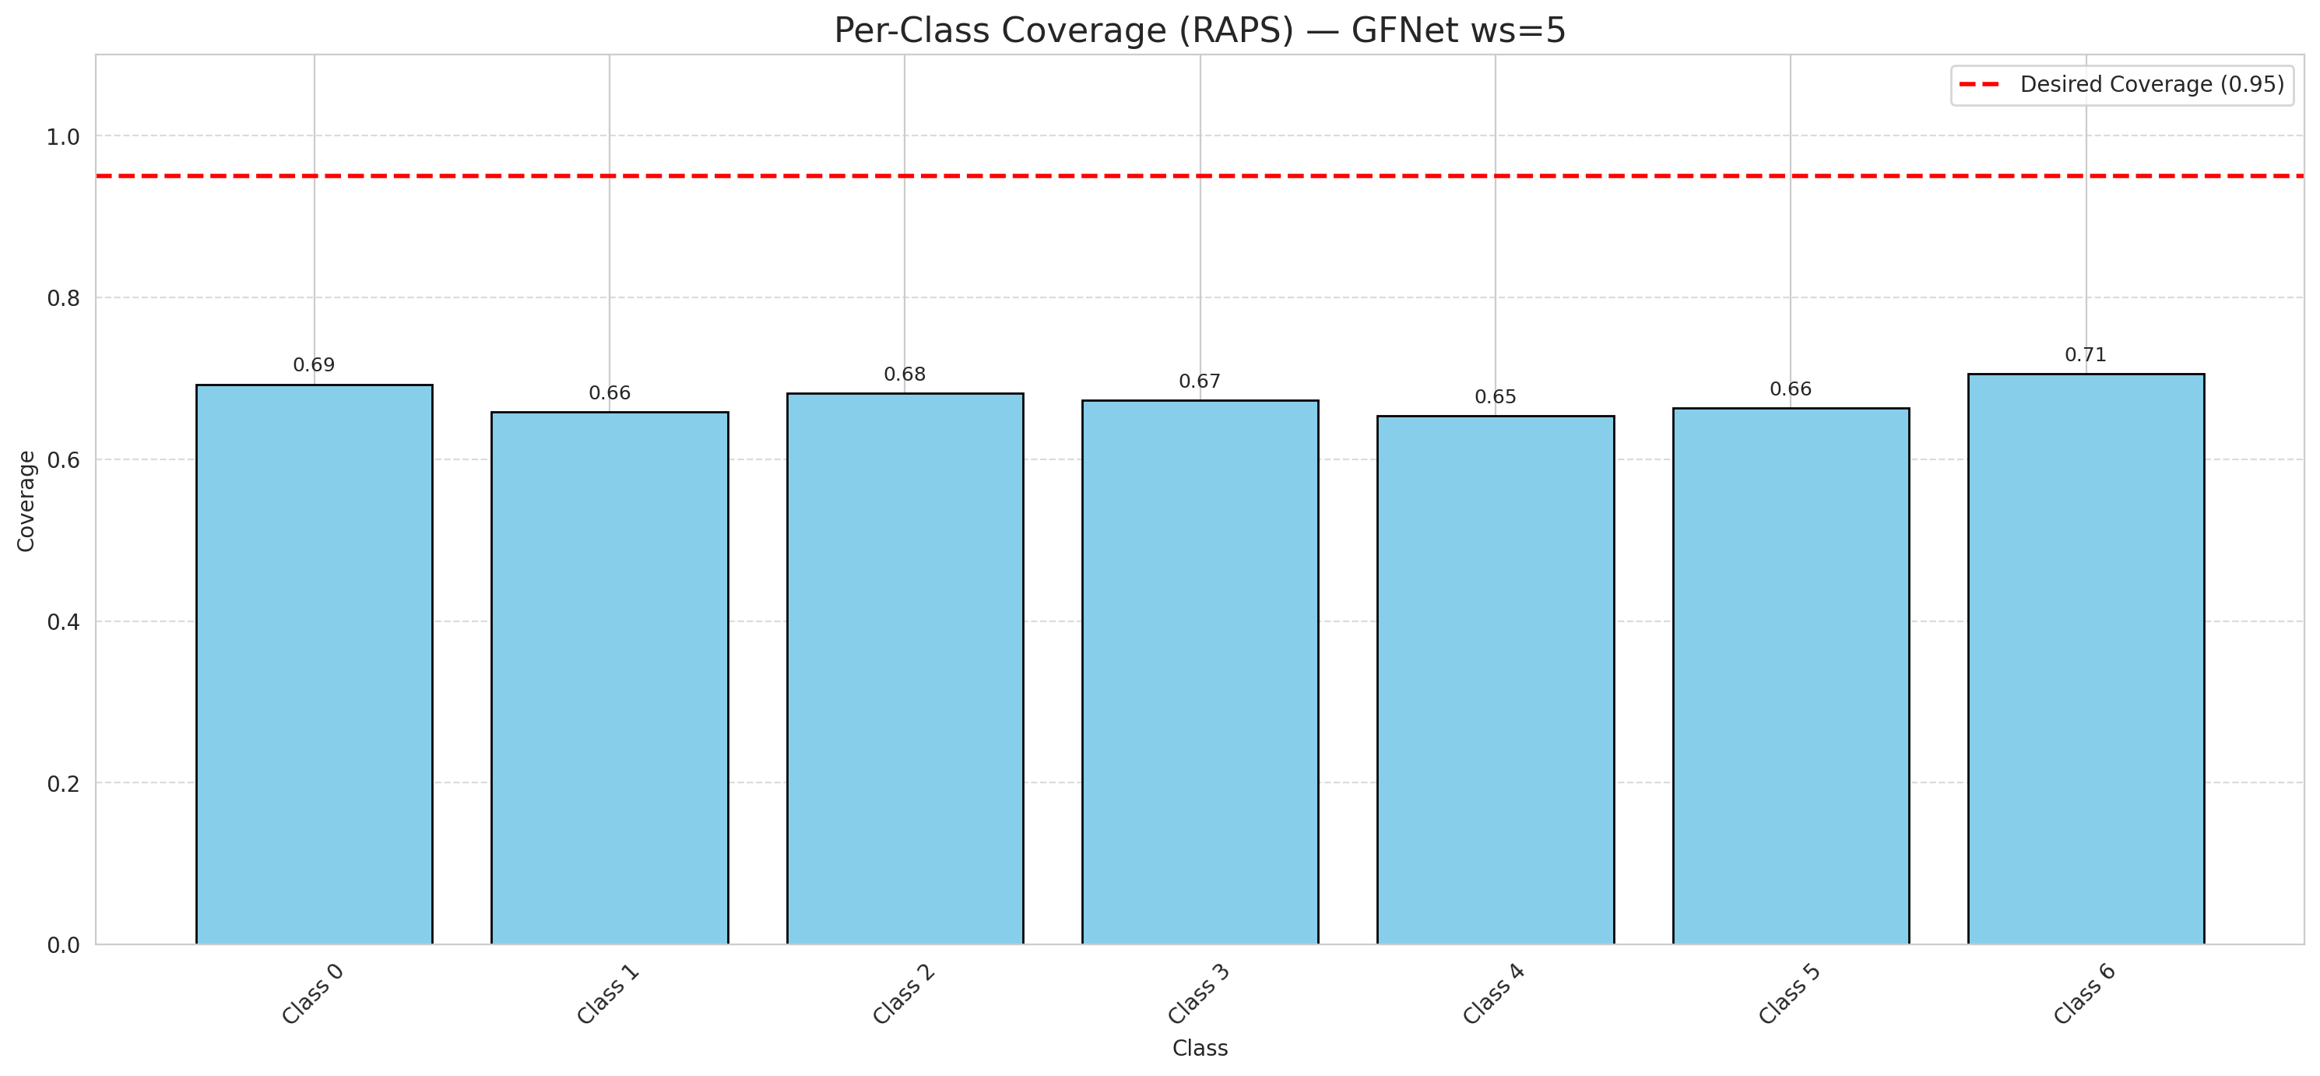

Cell Index | s1 | s2 | Selection_Order | Norm_Order(0-1) | Target
0 | 0.3887 | 0.2566 | 94 | 0.88679245283 | 0
1 | 0.6547 | 0.4899 | 18 | 0.16981132075 | 0
2 | 0.8612 | 0.0827 | 2 | 0.018867924528 | 0
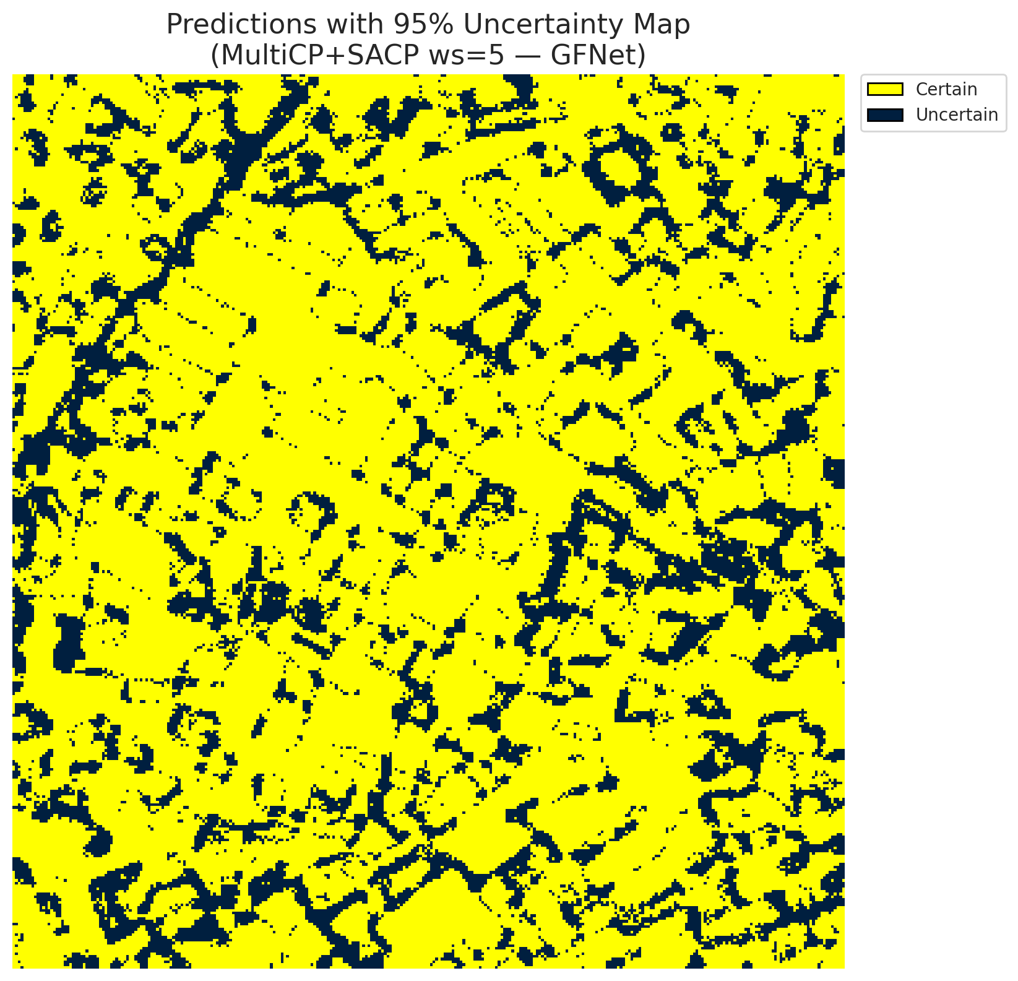
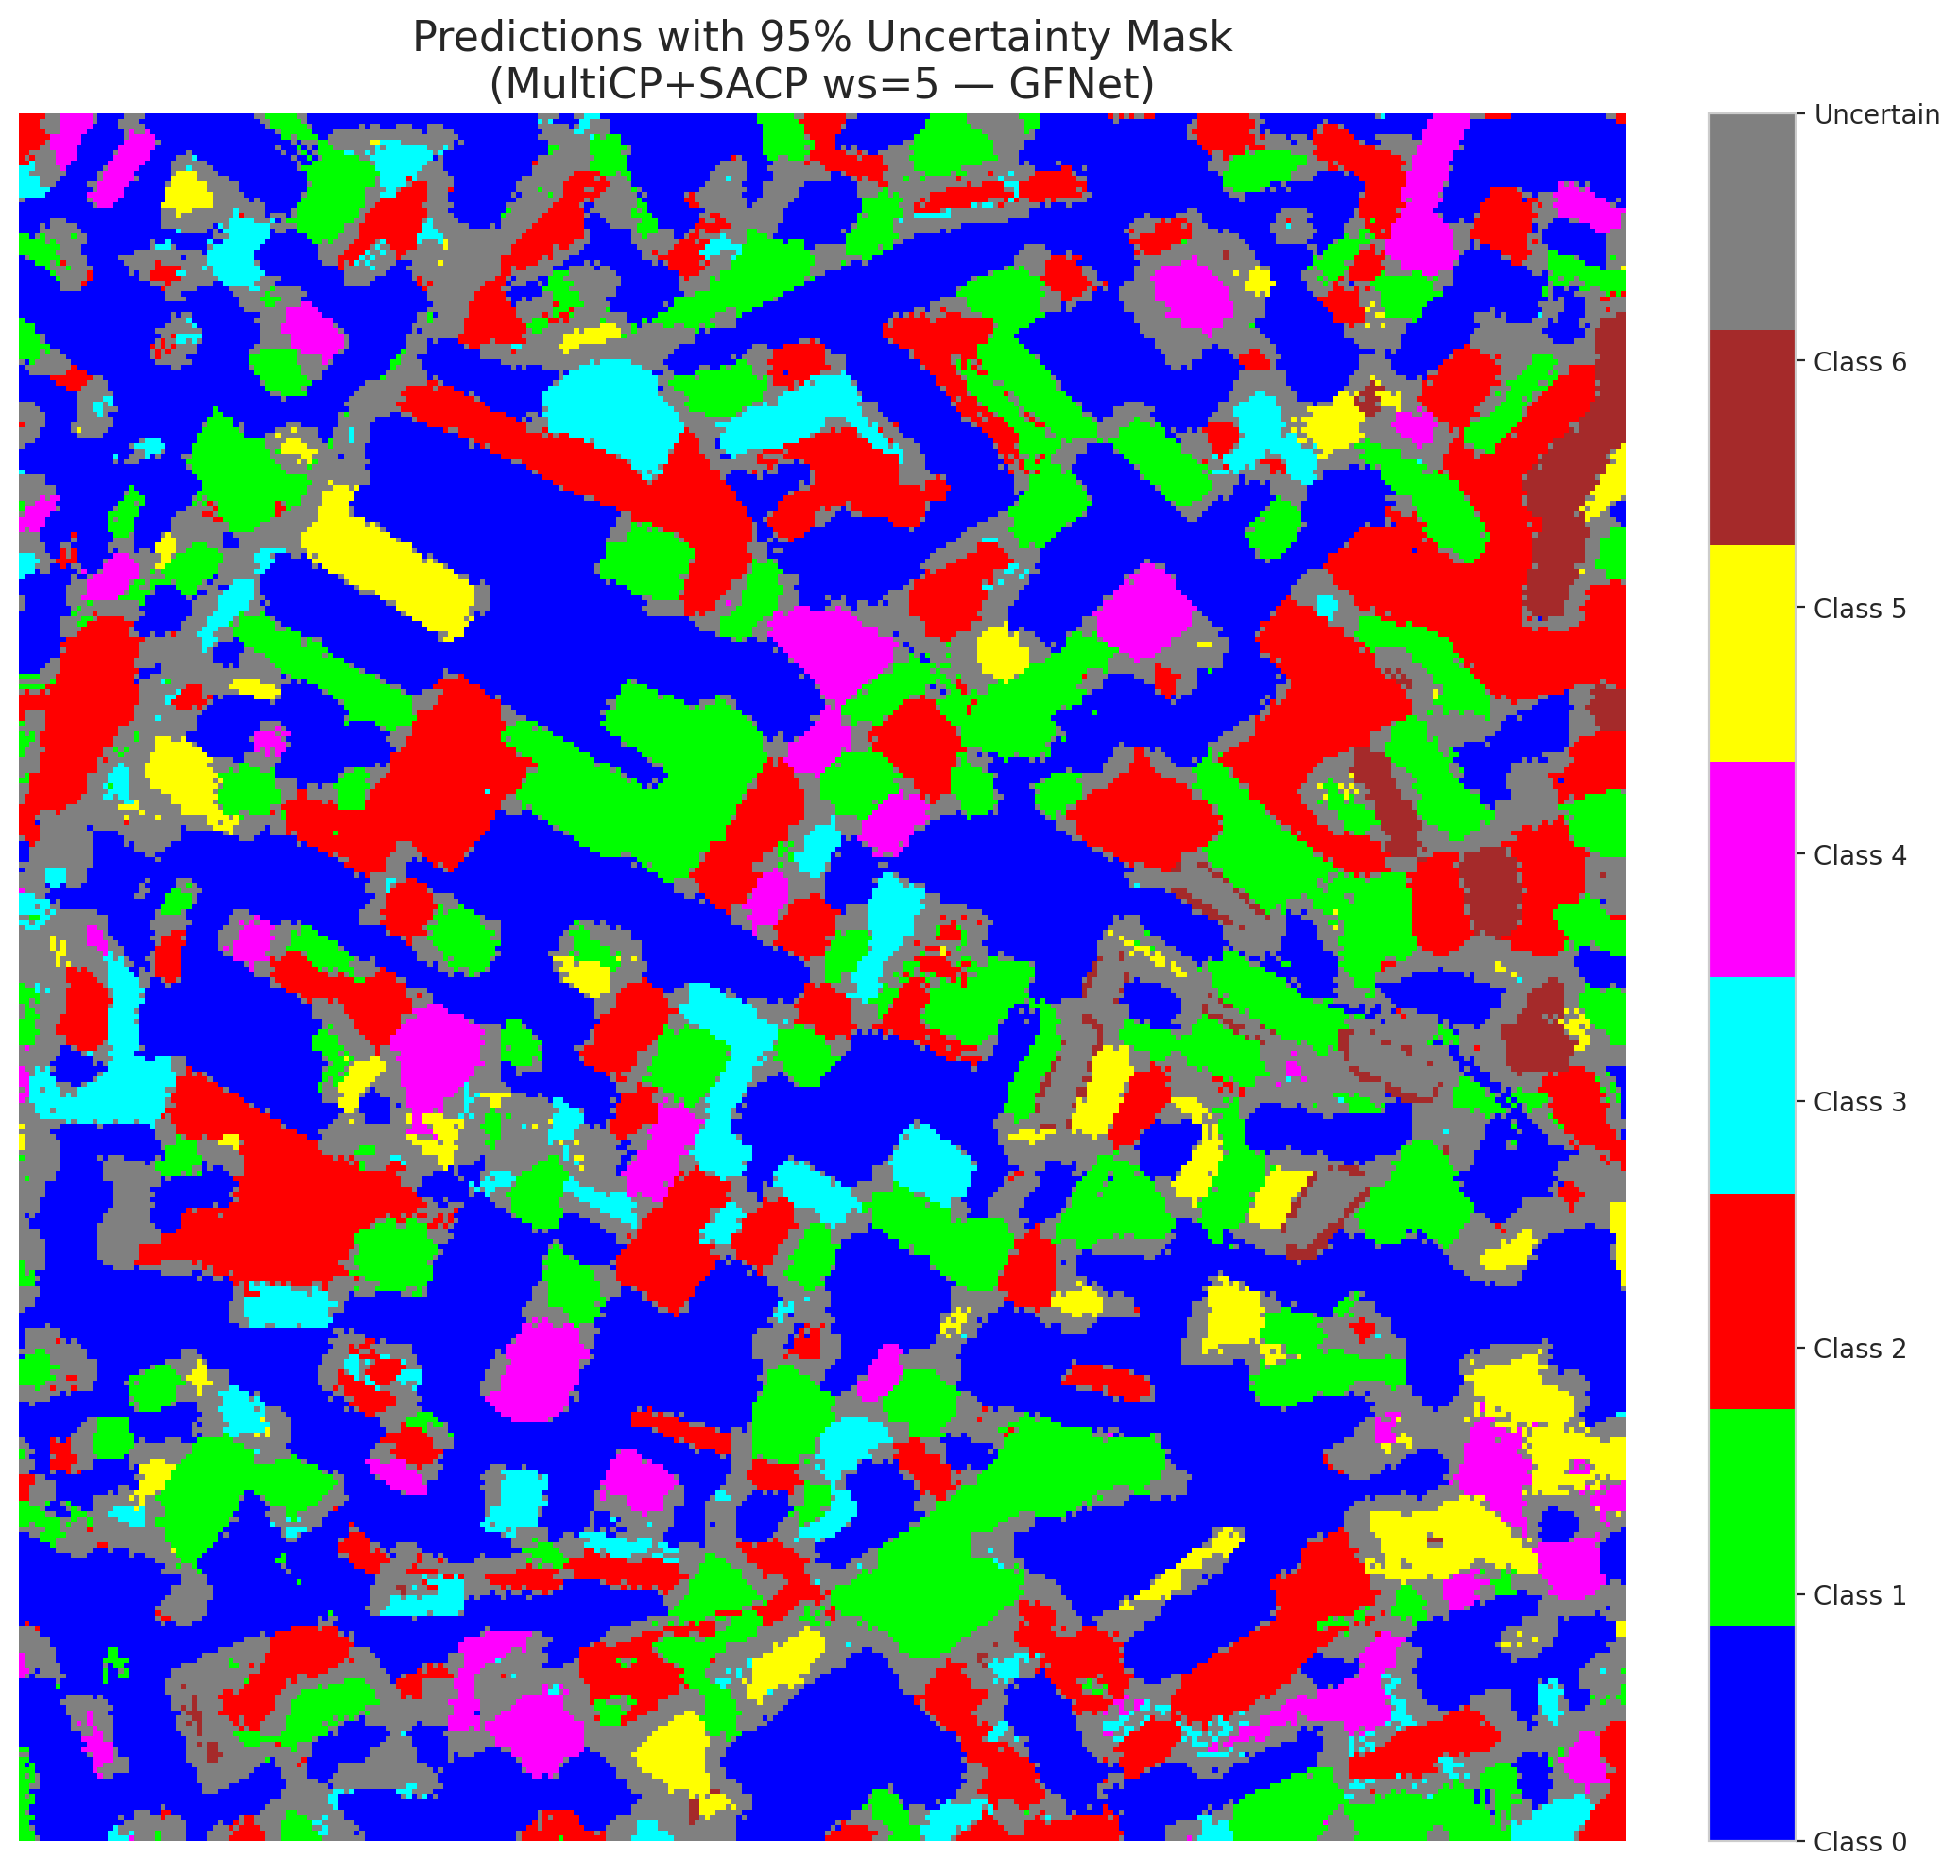
3 | 0.2898 | 0.9754 | 79 | 0.74528301887 | 2
4 | 0.0386 | 0.5757 | 102 | 0.96226415094 | 6
5 | 0.5025 | 0.0883 | 84 | 0.79245283019 | 2
6 | 0.8431 | 0.5994 | 76 | 0.71698113208 | 0
7 | 0.6462 | 0.9354 | 9 | 0.084905660377 | 0
8 | 0.4147 | 0.1482 | 57 | 0.53773584906 | 0
9 | 0.0062 | 0.7715 | 86 | 0.81132075472 | 1
10 | 0.7078 | 0.083 | 48 | 0.45283018868 | 3
11 | 0.1083 | 0.5915 | 1 | 0.0094339622642 | 0
12 | 0.5559 | 0.4455 | 43 | 0.40566037736 | 4
13 | 0.7091 | 0.9554 | 96 | 0.90566037736 | 0
14 | 0.833 | 0.0162 | 60 | 0.56603773585 | 5
15 | 0.1254 | 0.4858 | 24 | 0.22641509434 | 0
16 | 0.6922 | 0.0949 | 77 | 0.72641509434 | 1
17 | 0.8712 | 0.0404 | 74 | 0.69811320755 | 0
18 | 0.5942 | 0.7542 | 62 | 0.58490566038 | 2
19 | 0.4888 | 0.0803 | 31 | 0.29245283019 | 3
20 | 0.757 | 0.8995 | 47 | 0.44339622642 | 0
21 | 0.0908 | 0.2388 | 12 | 0.11320754717 | 4
22 | 0.7622 | 0.1955 | 69 | 0.65094339623 | 0
23 | 0.5467 | 0.3539 | 67 | 0.6320754717 | 0
24 | 0.8312 | 0.0742 | 27 | 0.25471698113 | 1
25 | 0.3225 | 0.3123 | 98 | 0.92452830189 | 2
26 | 0.5989 | 0.5213 | 35 | 0.33018867925 | 4
27 | 0.937 | 0.6766 | 13 | 0.12264150943 | 1
28 | 0.9073 | 0.2108 | 49 | 0.46226415094 | 0
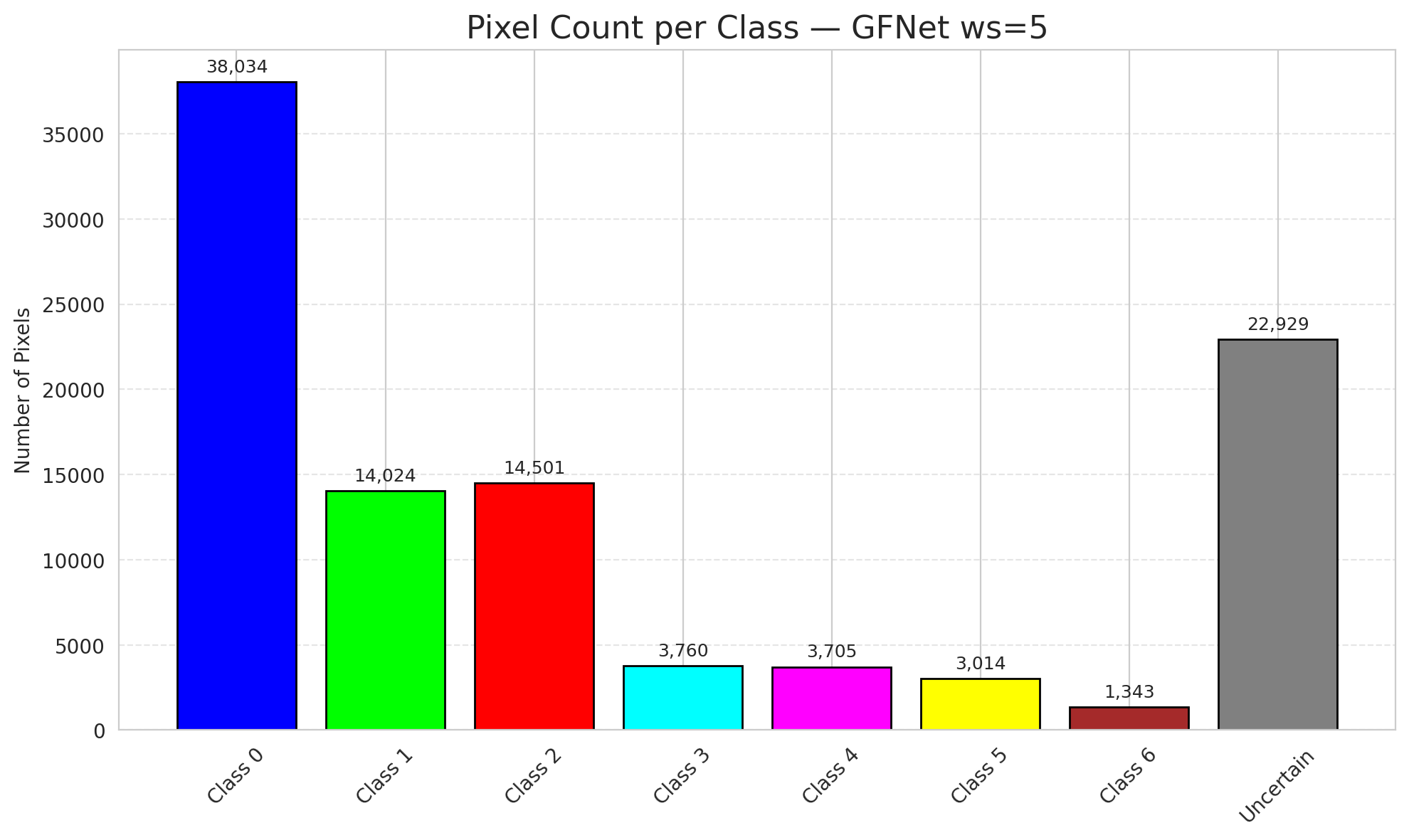
29 | 0.1489 | 0.0856 | 82 | 0.77358490566 | 3
30 | 0.5531 | 0.6989 | 39 | 0.3679245283 | 0
31 | 0.9383 | 0.5243 | 14 | 0.1320754717 | 1
32 | 0.0105 | 0.1001 | 73 | 0.68867924528 | 6
33 | 0.6191 | 0.401 | 52 | 0.49056603774 | 0
34 | 0.7487 | 0.7932 | 101 | 0.95283018868 | 5
35 | 0.2664 | 0.5299 | 64 | 0.60377358491 | 2
36 | 0.0427 | 0.2674 | 17 | 0.16037735849 | 5
37 | 0.1465 | 0.8553 | 72 | 0.67924528302 | 2
38 | 0.4732 | 0.9274 | 85 | 0.80188679245 | 4
39 | 0.8064 | 0.594 | 103 | 0.97169811321 | 1
40 | 0.475 | 0.689 | 61 | 0.57547169811 | 0
41 | 0.7385 | 0.3367 | 30 | 0.28301886792 | 0
42 | 0.3406 | 0.5478 | 3 | 0.028301886792 | 0
43 | 0.8276 | 0.8419 | 6 | 0.056603773585 | 0
44 | 0.036 | 0.3896 | 41 | 0.38679245283 | 0
45 | 0.4451 | 0.21 | 91 | 0.85849056604 | 0
46 | 0.5549 | 0.0584 | 87 | 0.82075471698 | 0
47 | 0.5754 | 0.5499 | 66 | 0.62264150943 | 1
48 | 0.2242 | 0.6937 | 25 | 0.2358490566 | 0
49 | 0.4112 | 0.9814 | 55 | 0.51886792453 | 2
50 | 0.4842 | 0.8103 | 7 | 0.066037735849 | 0
51 | 0.7913 | 0.8772 | 106 | 1 | 0
52 | 0.144 | 0.4144 | 33 | 0.31132075472 | 6
53 | 0.627 | 0.5701 | 104 | 0.98113207547 | 3
54 | 0.4622 | 0.9118 | 46 | 0.43396226415 | 0
55 | 0.2705 | 0.1647 | 23 | 0.21698113208 | 6
56 | 0.0677 | 0.5557 | 26 | 0.24528301887 | 2
57 | 0.9004 | 0.367 | 45 | 0.42452830189 | 2
58 | 0.2568 | 0.8867 | 5 | 0.047169811321 | 0
59 | 0.434 | 0.8367 | 20 | 0.18867924528 | 2
60 | 0.7536 | 0.1957 | 40 | 0.37735849057 | 3
61 | 0.8608 | 0.0117 | 88 | 0.83018867925 | 2
62 | 0.8988 | 0.0681 | 29 | 0.27358490566 | 1
63 | 0.162 | 0.492 | 105 | 0.99056603774 | 0
64 | 0.7528 | 0.8519 | 63 | 0.59433962264 | 1
65 | 0.3378 | 0.6335 | 19 | 0.17924528302 | 0
66 | 0.947 | 0.2079 | 50 | 0.47169811321 | 0
67 | 0.3606 | 0.3257 | 11 | 0.10377358491 | 2
68 | 0.2197 | 0.261 | 75 | 0.70754716981 | 0
69 | 0.2449 | 0.2045 | 15 | 0.14150943396 | 0
70 | 0.2355 | 0.7265 | 38 | 0.35849056604 | 1
71 | 0.4086 | 0.0111 | 56 | 0.52830188679 | 5
72 | 0.5804 | 0.5715 | 83 | 0.78301886792 | 2
73 | 0.2929 | 0.6313 | 22 | 0.20754716981 | 0
74 | 0.7877 | 0.9426 | 65 | 0.61320754717 | 2
75 | 0.3689 | 0.3114 | 58 | 0.54716981132 | 5
76 | 0.699 | 0.907 | 51 | 0.48113207547 | 1
77 | 0.6746 | 0.9986 | 80 | 0.75471698113 | 3
78 | 0.9969 | 0.0967 | 95 | 0.89622641509 | 0
79 | 0.3026 | 0.2041 | 10 | 0.094339622642 | 0
80 | 0.5501 | 0.4564 | 78 | 0.7358490566 | 1
81 | 0.3422 | 0.1683 | 97 | 0.91509433962 | 1
82 | 0.8737 | 0.6217 | 89 | 0.83962264151 | 6
83 | 0.4417 | 0.1057 | 34 | 0.32075471698 | 1
84 | 0.812 | 0.7555 | 28 | 0.2641509434 | 1
85 | 0.7339 | 0.9741 | 54 | 0.50943396226 | 2
86 | 0.8375 | 0.6561 | 0 | 0 | 0
87 | 0.6291 | 0.3105 | 70 | 0.66037735849 | 0
88 | 0.4483 | 0.2017 | 4 | 0.037735849057 | 0
89 | 0.7766 | 0.1383 | 8 | 0.075471698113 | 1
90 | 0.017 | 0.8142 | 59 | 0.55660377358 | 2
91 | 0.4885 | 0.812 | 16 | 0.15094339623 | 0
92 | 0.2023 | 0.7209 | 42 | 0.39622641509 | 0
93 | 0.0395 | 0.7587 | 36 | 0.33962264151 | 4
94 | 0.9936 | 0.6459 | 100 | 0.94339622642 | 1
95 | 0.0023 | 0.3785 | 90 | 0.84905660377 | 0
96 | 0.9179 | 0.3124 | 81 | 0.7641509434 | 2
97 | 0.9776 | 0.2517 | 37 | 0.34905660377 | 0
98 | 0.5262 | 0.6633 | 53 | 0.5 | 0
99 | 0.2333 | 0.2387 | 92 | 0.8679245283 | 1
100 | 0.193 | 0.4976 | 71 | 0.66981132075 | 3
101 | 0.3089 | 0.2528 | 21 | 0.19811320755 | 3
102 | 0.6083 | 0.9855 | 68 | 0.64150943396 | 6
103 | 0.491 | 0.654 | 93 | 0.87735849057 | 0
104 | 0.9174 | 0.1066 | 32 | 0.30188679245 | 4
105 | 0.8502 | 0.1389 | 44 | 0.41509433962 | 1
106 | 0.6855 | 0.664 | 99 | 0.93396226415 | 0

GFNet_SAPS_ws5

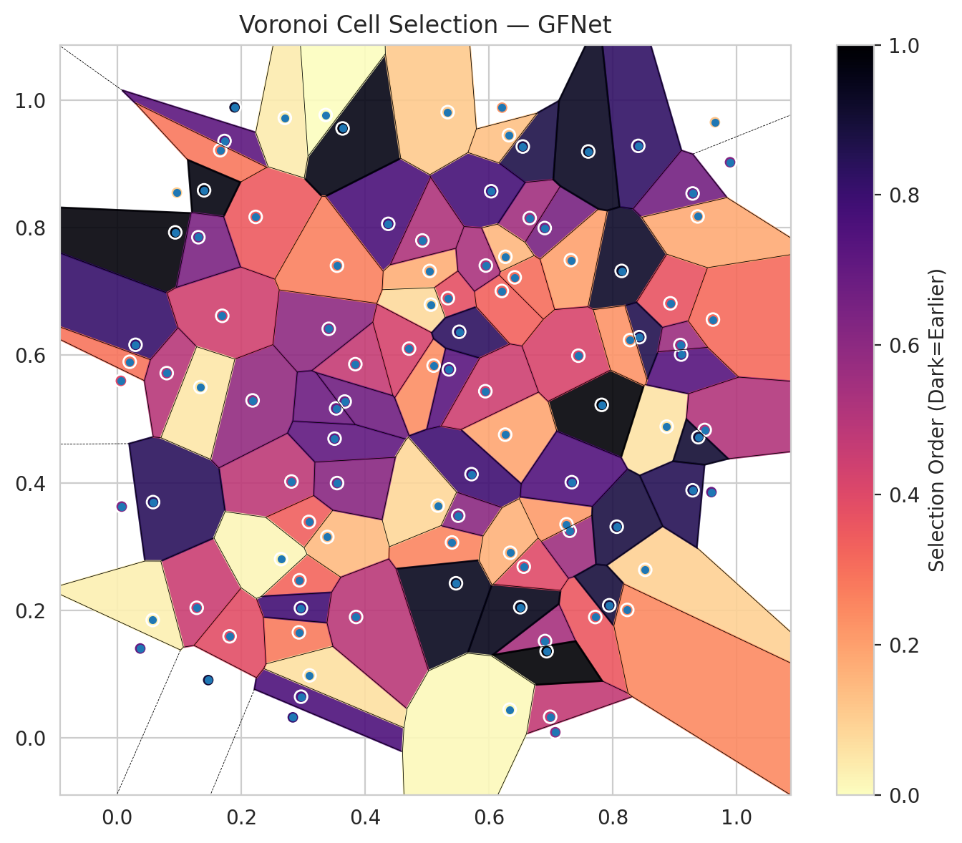
model_key | GFNet_MultiHead
model_name | GFNet
scoring_method | SAPS
window_size | 5
lambda | 0.5
k_iters | 1
empirical_coverage | 0.69187935035
avg_set_size | 0.69466357309
scene_coverage | 0.28988979396
scene_avg_set_size | 0.97996367859
uncertain_pixel_rate | 0.87901490475
mean_per_class_cov | 0.71155116694
runtime_sec | 55.452373757
alpha | 0.05

heads | coverage | set_size |  |  | class_id | class_coverage | support_count | Class | Pixels
1 | 0.94524361949 | 0.95730858469 |  |  | 0 | 0.68380743982 | 914 | Class 0 | 7070
2 | 0.9030162413 | 0.90997679814 |  |  | 1 | 0.66299559471 | 454 | Class 1 | 1832
3 | 0.85150812065 | 0.85707656613 |  |  | 2 | 0.71229050279 | 358 | Class 2 | 2036
4 | 0.80464037123 | 0.80974477958 |  |  | 3 | 0.71794871795 | 156 | Class 3 | 380
5 | 0.76519721578 | 0.76983758701 |  |  | 4 | 0.70192307692 | 104 | Class 4 | 456
6 | 0.72993039443 | 0.73317865429 |  |  | 5 | 0.69306930693 | 101 | Class 5 | 313
7 | 0.69187935035 | 0.69466357309 |  |  | 6 | 0.80882352941 | 68 | Class 6 | 170
 |  |  |  |  |  |  |  | Uncertain | 89053

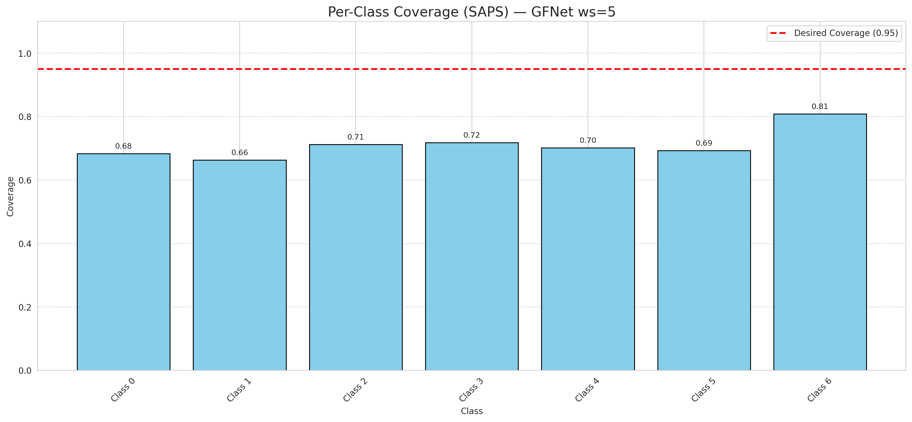

Cell Index | s1 | s2 | Selection_Order | Norm_Order(0-1) | Target
0 | 0.7715 | 0.1891 | 38 | 0.35849056604 | 0
1 | 0.0937 | 0.793 | 104 | 0.98113207547 | 0
2 | 0.2812 | 0.4019 | 51 | 0.48113207547 | 0
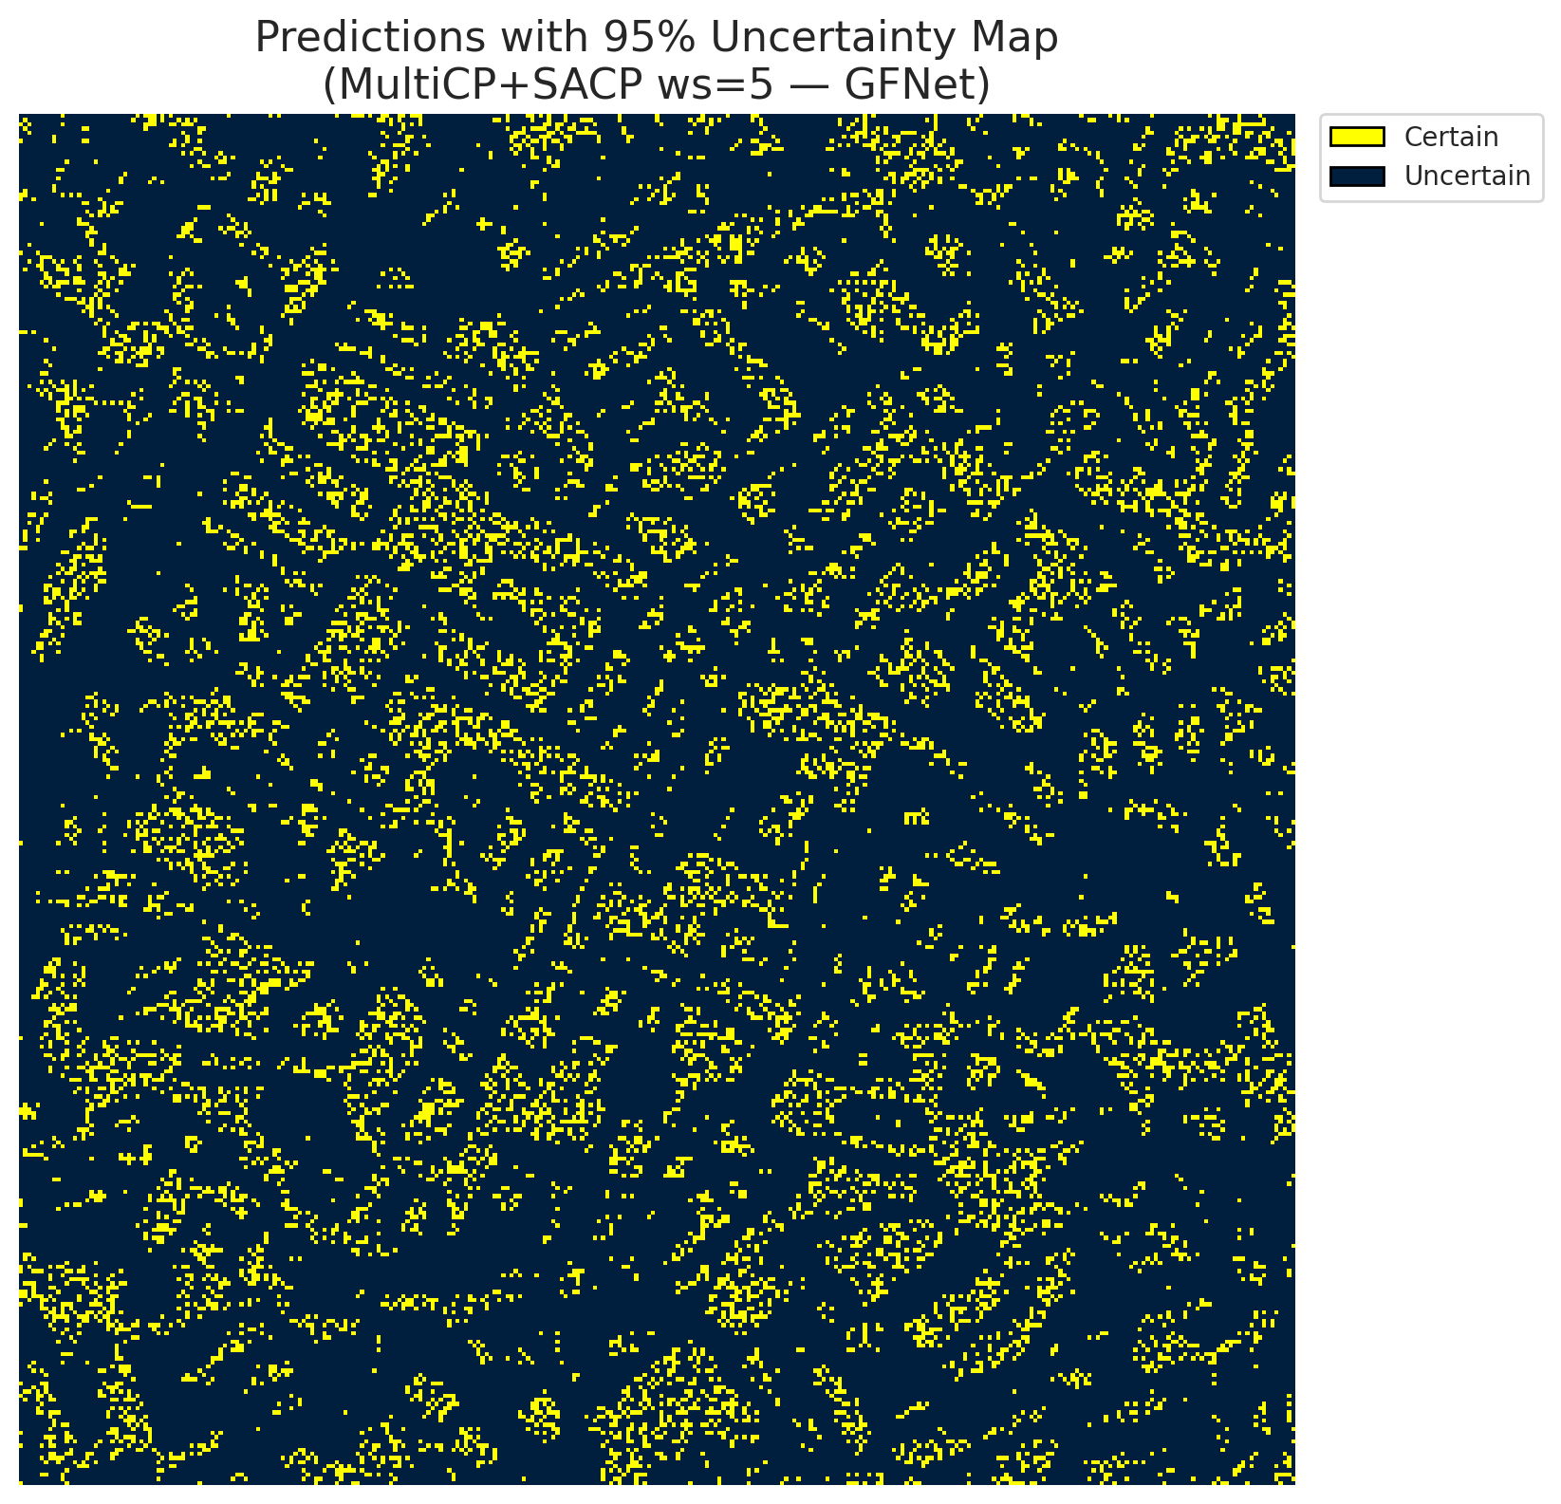
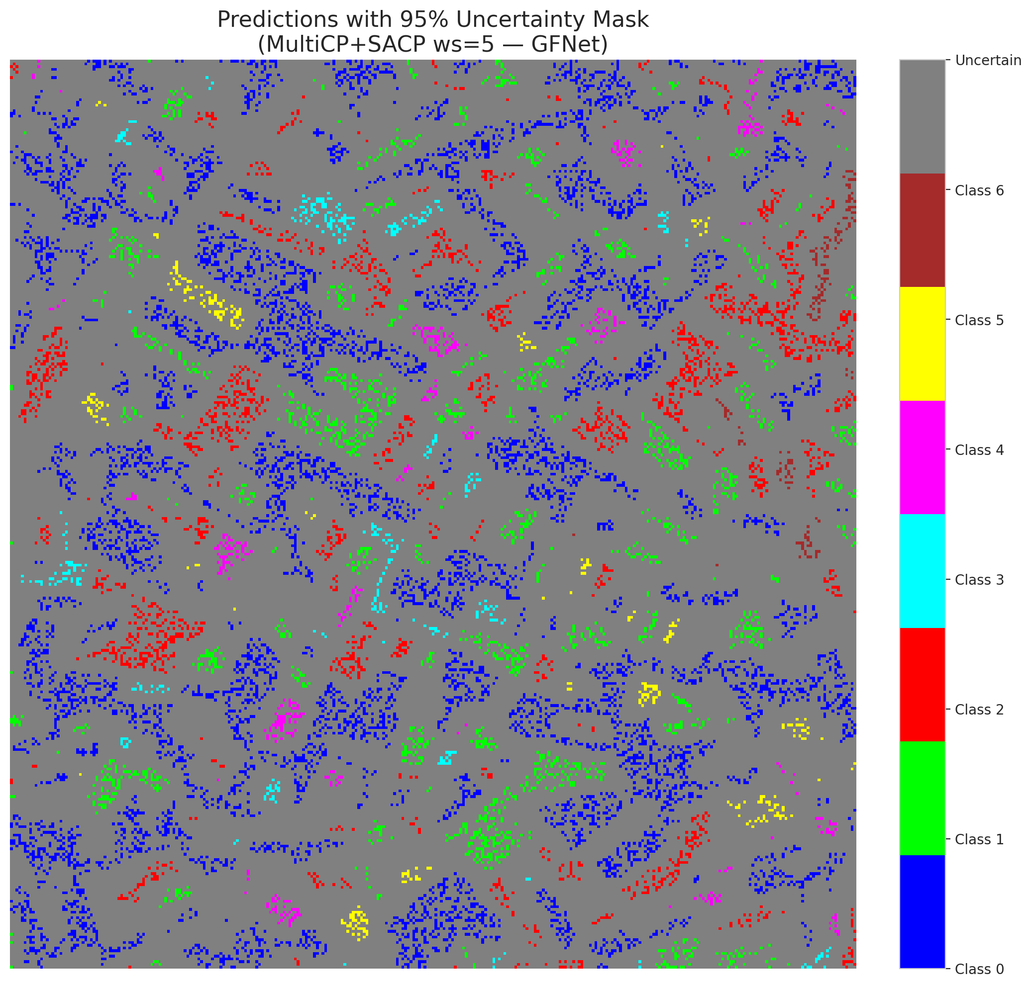
3 | 0.2941 | 0.2468 | 34 | 0.32075471698 | 2
4 | 0.4374 | 0.8064 | 81 | 0.7641509434 | 6
5 | 0.2967 | 0.064 | 80 | 0.75471698113 | 2
6 | 0.5042 | 0.7324 | 18 | 0.16981132075 | 0
7 | 0.8868 | 0.4881 | 6 | 0.056603773585 | 0
8 | 0.8141 | 0.7325 | 98 | 0.92452830189 | 0
9 | 0.1283 | 0.2036 | 48 | 0.45283018868 | 1
10 | 0.6899 | 0.7998 | 69 | 0.65094339623 | 3
11 | 0.6904 | 0.1514 | 57 | 0.53773584906 | 0
12 | 0.6545 | 0.9278 | 92 | 0.8679245283 | 4
13 | 0.6505 | 0.2045 | 101 | 0.95283018868 | 0
14 | 0.2235 | 0.8173 | 37 | 0.34905660377 | 5
15 | 0.8409 | 0.9288 | 87 | 0.82075471698 | 0
16 | 0.707 | 0.0082 | 61 | 0.57547169811 | 1
17 | 0.2932 | 0.165 | 29 | 0.27358490566 | 0
18 | 0.7819 | 0.5222 | 105 | 0.99056603774 | 2
19 | 0.6561 | 0.2682 | 42 | 0.39622641509 | 3
20 | 0.6656 | 0.8155 | 58 | 0.54716981132 | 0
21 | 0.7321 | 0.7494 | 21 | 0.19811320755 | 4
22 | 0.3843 | 0.5861 | 49 | 0.46226415094 | 0
23 | 0.5106 | 0.5838 | 25 | 0.2358490566 | 0
24 | 0.989 | 0.9031 | 67 | 0.6320754717 | 1
25 | 0.8927 | 0.6816 | 39 | 0.3679245283 | 2
26 | 0.7302 | 0.3245 | 59 | 0.55660377358 | 4
27 | 0.3104 | 0.0974 | 7 | 0.066037735849 | 1
28 | 0.6261 | 0.4754 | 20 | 0.18867924528 | 0

29 | 0.8521 | 0.2632 | 10 | 0.094339622642 | 3
30 | 0.3637 | 0.9562 | 102 | 0.96226415094 | 0
31 | 0.5718 | 0.4134 | 84 | 0.79245283019 | 1
32 | 0.7442 | 0.5994 | 44 | 0.41509433962 | 6
33 | 0.3093 | 0.3384 | 36 | 0.33962264151 | 0
34 | 0.9286 | 0.3881 | 90 | 0.84905660377 | 5
35 | 0.6415 | 0.7224 | 32 | 0.30188679245 | 2
36 | 0.1732 | 0.9365 | 76 | 0.71698113208 | 5
37 | 0.6035 | 0.8576 | 82 | 0.77358490566 | 2
38 | 0.9646 | 0.9659 | 13 | 0.12264150943 | 4
39 | 0.9101 | 0.6012 | 78 | 0.7358490566 | 1
40 | 0.8426 | 0.6285 | 91 | 0.85849056604 | 0
41 | 0.2965 | 0.203 | 83 | 0.78301886792 | 0
42 | 0.6211 | 0.9888 | 23 | 0.21698113208 | 0
43 | 0.0579 | 0.3695 | 89 | 0.83962264151 | 0
44 | 0.0296 | 0.6165 | 86 | 0.81132075472 | 0
45 | 0.3391 | 0.3149 | 15 | 0.14150943396 | 0
46 | 0.9088 | 0.6161 | 60 | 0.56603773585 | 0
47 | 0.006 | 0.5599 | 43 | 0.40566037736 | 1
48 | 0.3414 | 0.6416 | 63 | 0.59433962264 | 0
49 | 0.5333 | 0.9818 | 12 | 0.11320754717 | 2
50 | 0.2185 | 0.5292 | 62 | 0.58490566038 | 0
51 | 0.8276 | 0.6239 | 24 | 0.22641509434 | 0
52 | 0.1894 | 0.9893 | 97 | 0.91509433962 | 6
53 | 0.5336 | 0.6897 | 40 | 0.37735849057 | 3
54 | 0.4925 | 0.7803 | 55 | 0.51886792453 | 0
55 | 0.794 | 0.2075 | 94 | 0.88679245283 | 6
56 | 0.1695 | 0.662 | 46 | 0.43396226415 | 2
57 | 0.1663 | 0.922 | 30 | 0.28301886792 | 2
58 | 0.5062 | 0.6795 | 8 | 0.075471698113 | 0
59 | 0.2705 | 0.9727 | 4 | 0.037735849057 | 2
60 | 0.471 | 0.6105 | 45 | 0.42452830189 | 3
61 | 0.9614 | 0.6561 | 33 | 0.31132075472 | 2
62 | 0.5403 | 0.3062 | 27 | 0.25471698113 | 1
63 | 0.5353 | 0.5779 | 77 | 0.72641509434 | 0
64 | 0.0202 | 0.5898 | 31 | 0.29245283019 | 1
65 | 0.5467 | 0.2421 | 100 | 0.94339622642 | 0
66 | 0.3365 | 0.9773 | 0 | 0 | 0
67 | 0.1402 | 0.859 | 103 | 0.97169811321 | 2
68 | 0.3855 | 0.1892 | 52 | 0.49056603774 | 0
69 | 0.0799 | 0.572 | 53 | 0.5 | 0
70 | 0.0573 | 0.1844 | 3 | 0.028301886792 | 1
71 | 0.0963 | 0.8554 | 11 | 0.10377358491 | 5
72 | 0.6987 | 0.0325 | 50 | 0.47169811321 | 2
73 | 0.1342 | 0.5501 | 5 | 0.047169811321 | 0
74 | 0.2834 | 0.0316 | 85 | 0.80188679245 | 2
75 | 0.1814 | 0.1588 | 41 | 0.38679245283 | 5
76 | 0.6321 | 0.9455 | 14 | 0.1320754717 | 1
77 | 0.3671 | 0.5274 | 71 | 0.66981132075 | 3
78 | 0.7251 | 0.3347 | 22 | 0.20754716981 | 0
79 | 0.131 | 0.7854 | 68 | 0.64150943396 | 0
80 | 0.9481 | 0.4828 | 54 | 0.50943396226 | 1
81 | 0.9286 | 0.8541 | 70 | 0.66037735849 | 1
82 | 0.8231 | 0.2003 | 26 | 0.24528301887 | 6
83 | 0.3533 | 0.5167 | 72 | 0.67924528302 | 1
84 | 0.693 | 0.1354 | 106 | 1 | 1
85 | 0.5503 | 0.3482 | 64 | 0.60377358491 | 2
86 | 0.3508 | 0.4692 | 75 | 0.70754716981 | 0
87 | 0.3547 | 0.7407 | 28 | 0.2641509434 | 0
88 | 0.6265 | 0.7547 | 16 | 0.15094339623 | 0
89 | 0.9589 | 0.3852 | 73 | 0.68867924528 | 1
90 | 0.5519 | 0.6369 | 88 | 0.83018867925 | 2
91 | 0.6343 | 0.29 | 17 | 0.16037735849 | 0
92 | 0.9367 | 0.818 | 19 | 0.17924528302 | 0
93 | 0.0073 | 0.3625 | 66 | 0.62264150943 | 4
94 | 0.6207 | 0.701 | 35 | 0.33018867925 | 1
95 | 0.0372 | 0.1397 | 74 | 0.69811320755 | 0
96 | 0.2644 | 0.28 | 2 | 0.018867924528 | 2
97 | 0.5173 | 0.364 | 9 | 0.084905660377 | 0
98 | 0.9377 | 0.4715 | 96 | 0.90566037736 | 0
99 | 0.1469 | 0.0901 | 95 | 0.89622641509 | 1
100 | 0.3548 | 0.3994 | 65 | 0.61320754717 | 3
101 | 0.5949 | 0.7409 | 56 | 0.52830188679 | 3
102 | 0.8061 | 0.3309 | 93 | 0.87735849057 | 6
103 | 0.6334 | 0.0437 | 1 | 0.0094339622642 | 0
104 | 0.7602 | 0.92 | 99 | 0.93396226415 | 4
105 | 0.7336 | 0.4008 | 79 | 0.74528301887 | 1
106 | 0.5941 | 0.5436 | 47 | 0.44339622642 | 0

ViT_RAPS_ws5
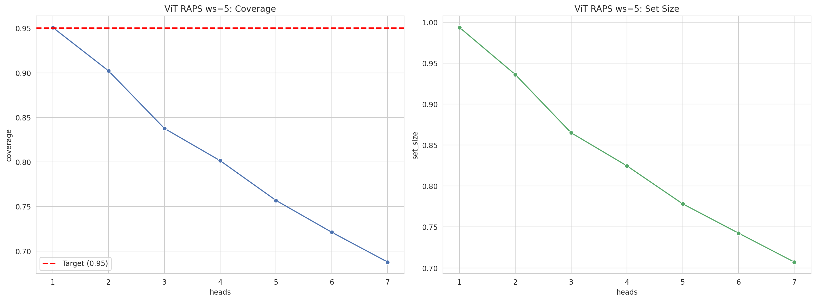
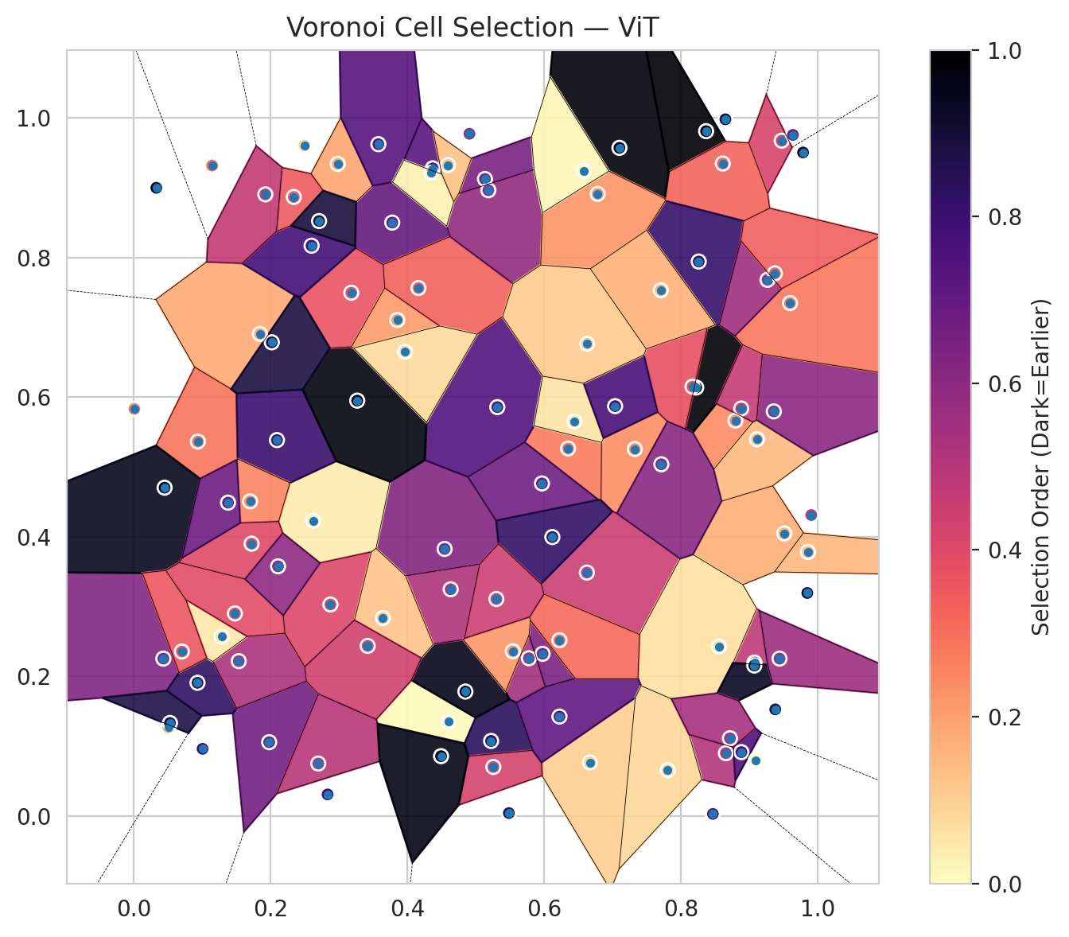
model_key | ViT_UNet_MultiHead
model_name | ViT
scoring_method | RAPS
window_size | 5
lambda | 0.5
k_iters | 1
empirical_coverage | 0.68770301624
avg_set_size | 0.70719257541
scene_coverage | 0.33295400096
scene_avg_set_size | 1.224974446
uncertain_pixel_rate | 0.27896555128
mean_per_class_cov | 0.69070145818
runtime_sec | 52.12842468
alpha | 0.05

heads | coverage | set_size |  |  | class_id | class_coverage | support_count | Class | Pixels
1 | 0.95081206497 | 0.99350348028 |  |  | 0 | 0.6750547046 | 914 | Class 0 | 34800
2 | 0.90208816705 | 0.93596287703 |  |  | 1 | 0.66740088106 | 454 | Class 1 | 12466
3 | 0.83758700696 | 0.86496519722 |  |  | 2 | 0.73463687151 | 358 | Class 2 | 13505
4 | 0.80139211137 | 0.82459396752 |  |  | 3 | 0.75 | 156 | Class 3 | 4982
5 | 0.75684454756 | 0.77819025522 |  |  | 4 | 0.67307692308 | 104 | Class 4 | 3035
6 | 0.7211136891 | 0.74245939675 |  |  | 5 | 0.64356435644 | 101 | Class 5 | 3006
7 | 0.68770301624 | 0.70719257541 |  |  | 6 | 0.69117647059 | 68 | Class 6 | 1254
 |  |  |  |  |  |  |  | Uncertain | 28262

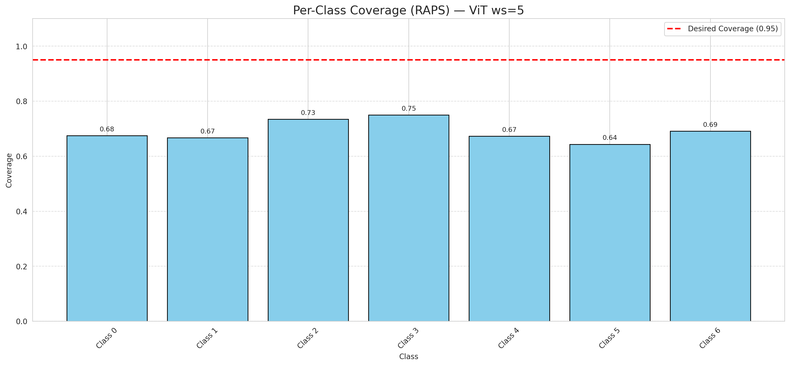

Cell Index | s1 | s2 | Selection_Order | Norm_Order(0-1) | Target
0 | 0.3777 | 0.85 | 74 | 0.69811320755 | 0
1 | 0.8797 | 0.5663 | 26 | 0.24528301887 | 0
2 | 0.1842 | 0.6905 | 19 | 0.17924528302 | 0
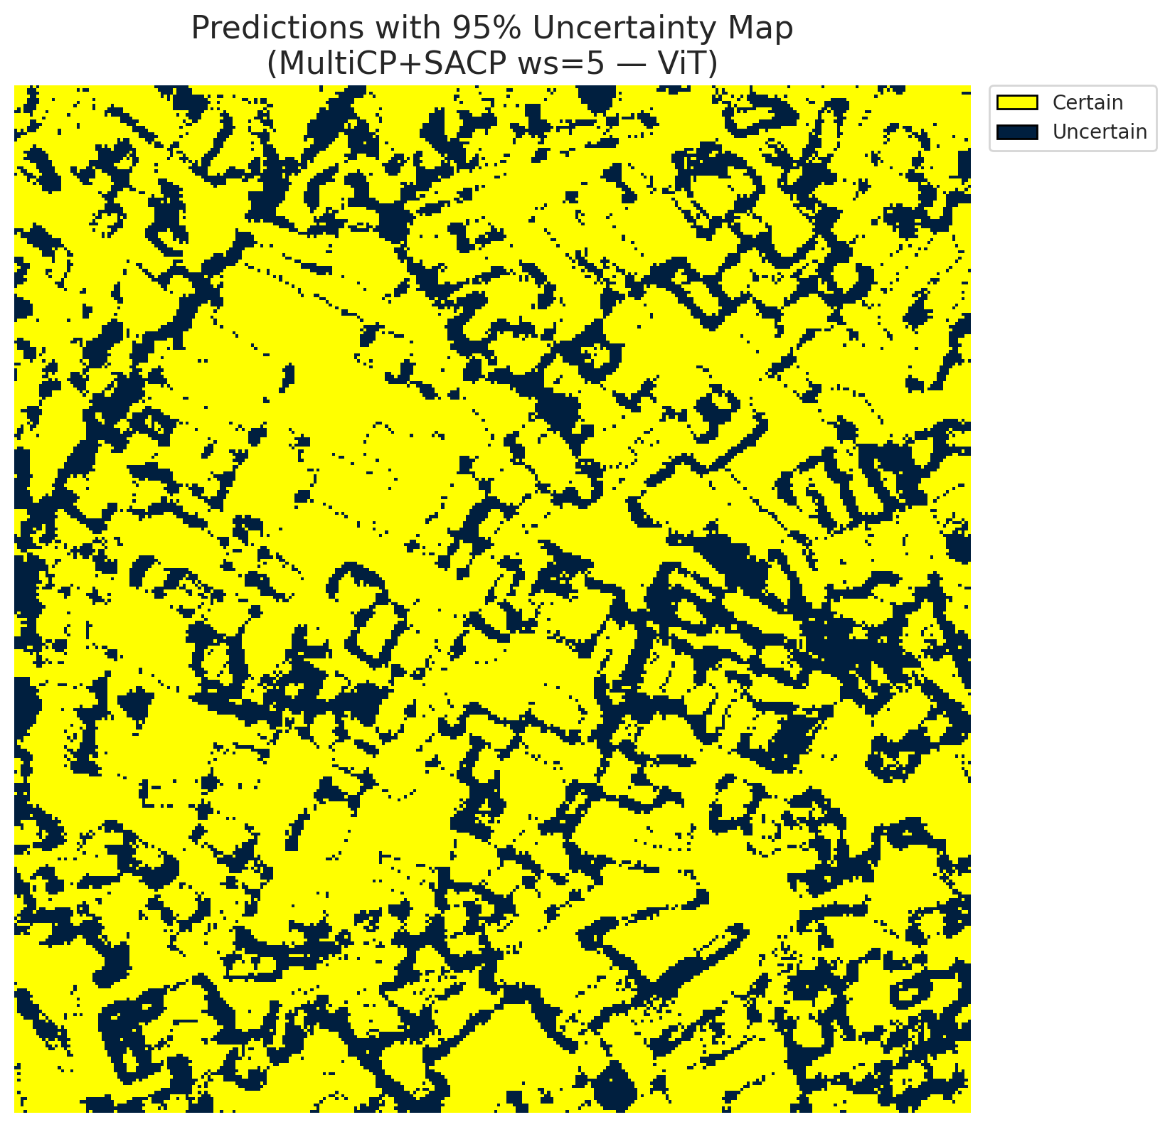
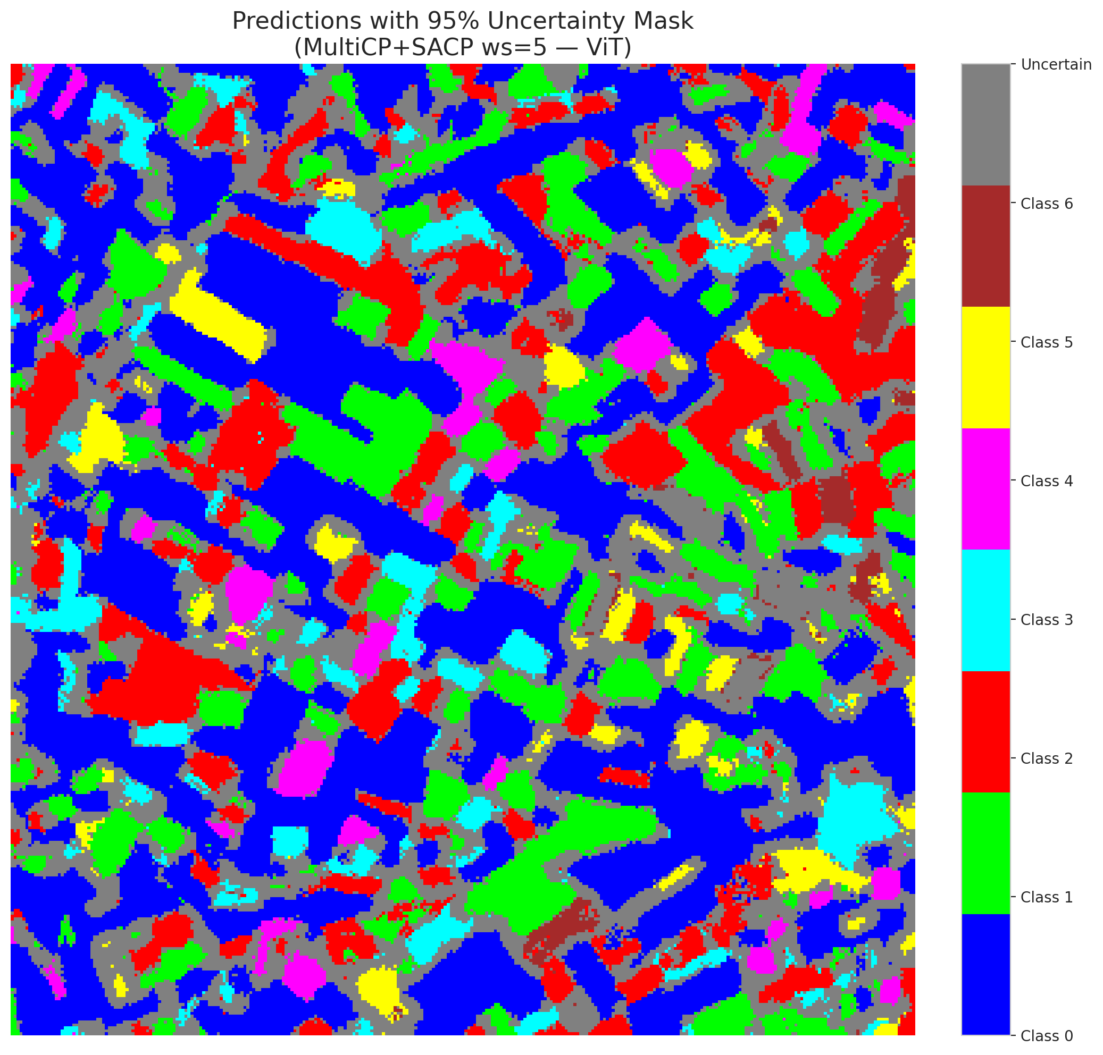
3 | 0.4543 | 0.3826 | 66 | 0.62264150943 | 2
4 | 0.9113 | 0.5396 | 15 | 0.14150943396 | 6
5 | 0.7326 | 0.5256 | 25 | 0.2358490566 | 2
6 | 0.9474 | 0.9673 | 44 | 0.41509433962 | 0
7 | 0.5133 | 0.9124 | 69 | 0.65094339623 | 0
8 | 0.9511 | 0.4047 | 18 | 0.16981132075 | 0
9 | 0.865 | 0.9979 | 96 | 0.90566037736 | 1
10 | 0.8657 | 0.0901 | 54 | 0.50943396226 | 3
11 | 0.8368 | 0.9809 | 106 | 1 | 0
12 | 0.262 | 0.423 | 4 | 0.037735849057 | 4
13 | 0.6668 | 0.0767 | 11 | 0.10377358491 | 0
14 | 0.6624 | 0.3487 | 48 | 0.45283018868 | 5
15 | 0.9075 | 0.2198 | 51 | 0.48113207547 | 0
16 | 0.0429 | 0.2255 | 67 | 0.6320754717 | 1
17 | 0.0934 | 0.5364 | 31 | 0.29245283019 | 0
18 | 0.6349 | 0.5264 | 29 | 0.27358490566 | 2
19 | 0.8556 | 0.243 | 7 | 0.066037735849 | 3
20 | 0.46 | 0.135 | 1 | 0.0094339622642 | 0
21 | 0.8223 | 0.6138 | 105 | 0.99056603774 | 4
22 | 0.5314 | 0.5857 | 79 | 0.74528301887 | 0
23 | 0.0447 | 0.4703 | 100 | 0.94339622642 | 0
24 | 0.8884 | 0.0916 | 80 | 0.75471698113 | 1
25 | 0.9379 | 0.1528 | 91 | 0.85849056604 | 2
26 | 0.4906 | 0.9772 | 61 | 0.57547169811 | 4
27 | 0.5483 | 0.0043 | 90 | 0.84905660377 | 1
28 | 0.1142 | 0.9316 | 32 | 0.30188679245 | 0
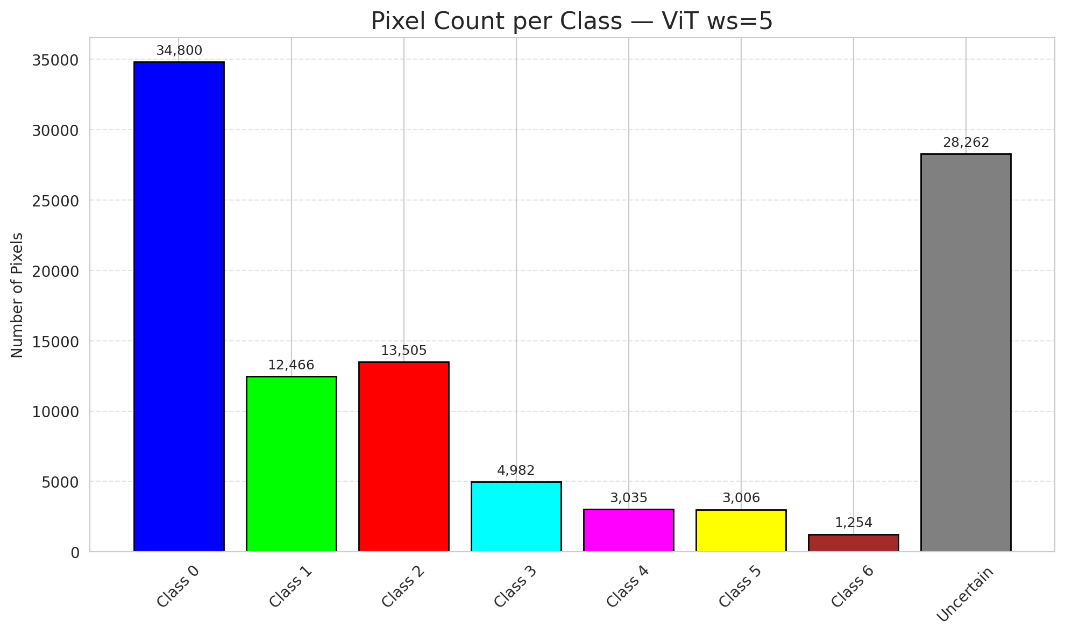
29 | 0.2091 | 0.5385 | 85 | 0.80188679245 | 3
30 | 0.9073 | 0.2156 | 99 | 0.93396226415 | 0
31 | 0.8612 | 0.9345 | 34 | 0.32075471698 | 1
32 | 0.0502 | 0.1273 | 21 | 0.19811320755 | 6
33 | 0.3265 | 0.595 | 103 | 0.97169811321 | 0
34 | 0.5776 | 0.226 | 58 | 0.54716981132 | 5
35 | 0.0005 | 0.5831 | 28 | 0.2641509434 | 2
36 | 0.1977 | 0.1058 | 70 | 0.66037735849 | 5
37 | 0.5223 | 0.1076 | 89 | 0.83962264151 | 2
38 | 0.1003 | 0.0963 | 84 | 0.79245283019 | 4
39 | 0.6443 | 0.5651 | 6 | 0.056603773585 | 1
40 | 0.2493 | 0.9604 | 10 | 0.094339622642 | 0
41 | 0.4847 | 0.1783 | 101 | 0.95283018868 | 0
42 | 0.826 | 0.7942 | 86 | 0.81132075472 | 0
43 | 0.4369 | 0.9277 | 77 | 0.72641509434 | 0
44 | 0.298 | 0.934 | 20 | 0.18867924528 | 0
45 | 0.9442 | 0.2255 | 60 | 0.56603773585 | 0
46 | 0.8169 | 0.615 | 40 | 0.37735849057 | 0
47 | 0.1699 | 0.4507 | 27 | 0.25471698113 | 1
48 | 0.3178 | 0.7495 | 39 | 0.3679245283 | 0
49 | 0.0929 | 0.1909 | 88 | 0.83018867925 | 2
50 | 0.1532 | 0.2219 | 56 | 0.52830188679 | 0
51 | 0.9358 | 0.5796 | 64 | 0.60377358491 | 0
52 | 0.71 | 0.957 | 104 | 0.98113207547 | 6
53 | 0.5256 | 0.0703 | 45 | 0.42452830189 | 3
54 | 0.9638 | 0.9755 | 73 | 0.68867924528 | 0
55 | 0.2597 | 0.8169 | 83 | 0.78301886792 | 6
56 | 0.172 | 0.3901 | 42 | 0.39622641509 | 2
57 | 0.6223 | 0.1425 | 75 | 0.70754716981 | 2
58 | 0.3851 | 0.7105 | 22 | 0.20754716981 | 0
59 | 0.7806 | 0.0656 | 9 | 0.084905660377 | 2
60 | 0.4632 | 0.3248 | 55 | 0.51886792453 | 3
61 | 0.4161 | 0.7563 | 35 | 0.33018867925 | 2
62 | 0.3574 | 0.9623 | 78 | 0.7358490566 | 1
63 | 0.1375 | 0.4489 | 72 | 0.67924528302 | 0
64 | 0.2873 | 0.303 | 43 | 0.40566037736 | 1
65 | 0.5967 | 0.4764 | 71 | 0.66981132075 | 0
66 | 0.5183 | 0.8963 | 62 | 0.58490566038 | 0
67 | 0.7037 | 0.5871 | 81 | 0.7641509434 | 2
68 | 0.2337 | 0.8867 | 37 | 0.34905660377 | 0
69 | 0.6782 | 0.8911 | 24 | 0.22641509434 | 0
70 | 0.8717 | 0.1114 | 57 | 0.53773584906 | 1
71 | 0.9906 | 0.4311 | 52 | 0.49056603774 | 5
72 | 0.4346 | 0.9214 | 3 | 0.028301886792 | 2
73 | 0.5976 | 0.2324 | 68 | 0.64150943396 | 0
74 | 0.9786 | 0.9504 | 98 | 0.92452830189 | 2
75 | 0.9848 | 0.3195 | 95 | 0.89622641509 | 5
76 | 0.0526 | 0.1333 | 92 | 0.8679245283 | 1
77 | 0.7713 | 0.5038 | 65 | 0.61320754717 | 3
78 | 0.9093 | 0.08 | 0 | 0 | 0
79 | 0.7706 | 0.7531 | 17 | 0.16037735849 | 0
80 | 0.6223 | 0.2518 | 33 | 0.31132075472 | 1
81 | 0.6119 | 0.3996 | 87 | 0.82075471698 | 1
82 | 0.364 | 0.2836 | 13 | 0.12264150943 | 6
83 | 0.2707 | 0.8522 | 94 | 0.88679245283 | 1
84 | 0.4593 | 0.9323 | 14 | 0.1320754717 | 1
85 | 0.8882 | 0.5837 | 49 | 0.46226415094 | 2
86 | 0.9596 | 0.7347 | 30 | 0.28301886792 | 0
87 | 0.2015 | 0.6785 | 93 | 0.87735849057 | 0
88 | 0.3418 | 0.2437 | 46 | 0.43396226415 | 0
89 | 0.3965 | 0.665 | 8 | 0.075471698113 | 1
90 | 0.1281 | 0.257 | 5 | 0.047169811321 | 2
91 | 0.9859 | 0.3782 | 16 | 0.15094339623 | 0
92 | 0.5541 | 0.236 | 23 | 0.21698113208 | 0
93 | 0.1476 | 0.2902 | 41 | 0.38679245283 | 4
94 | 0.2831 | 0.031 | 82 | 0.77358490566 | 1
95 | 0.07 | 0.2357 | 38 | 0.35849056604 | 0
96 | 0.9266 | 0.768 | 59 | 0.55660377358 | 2
97 | 0.2695 | 0.0752 | 53 | 0.5 | 0
98 | 0.2107 | 0.3577 | 63 | 0.59433962264 | 0
99 | 0.6628 | 0.6764 | 12 | 0.11320754717 | 1
100 | 0.0326 | 0.8998 | 97 | 0.91509433962 | 3
101 | 0.8467 | 0.0031 | 76 | 0.71698113208 | 3
102 | 0.53 | 0.3109 | 47 | 0.44339622642 | 6
103 | 0.6581 | 0.9239 | 2 | 0.018867924528 | 0
104 | 0.4491 | 0.0858 | 102 | 0.96226415094 | 4
105 | 0.1921 | 0.8904 | 50 | 0.47169811321 | 1
106 | 0.9374 | 0.7773 | 36 | 0.33962264151 | 0

ViT_SAPS_ws5
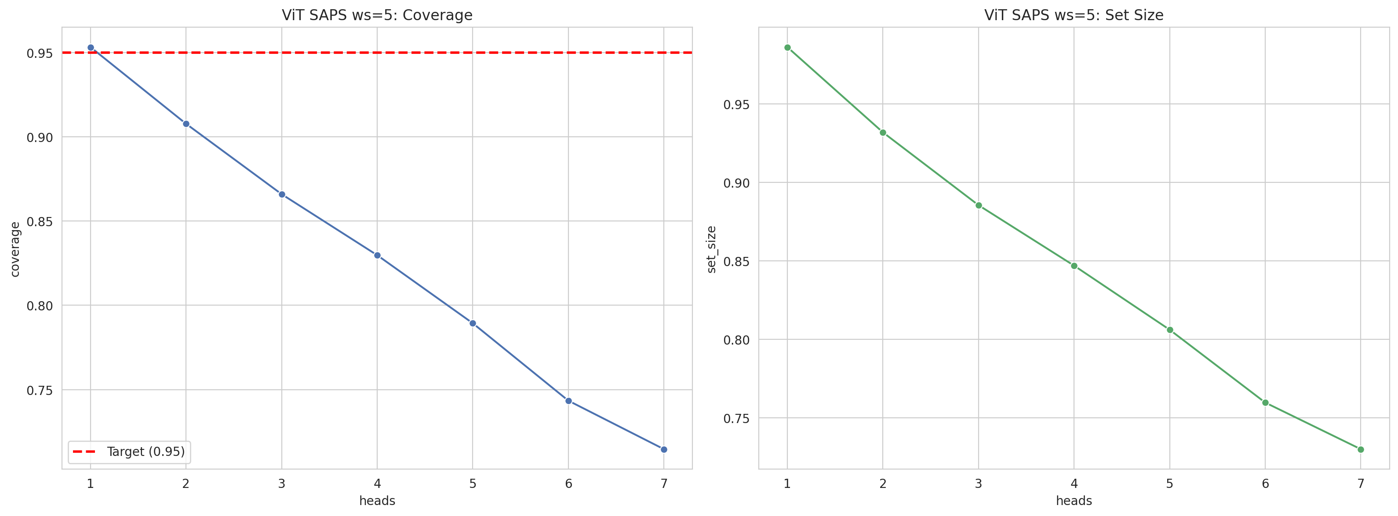
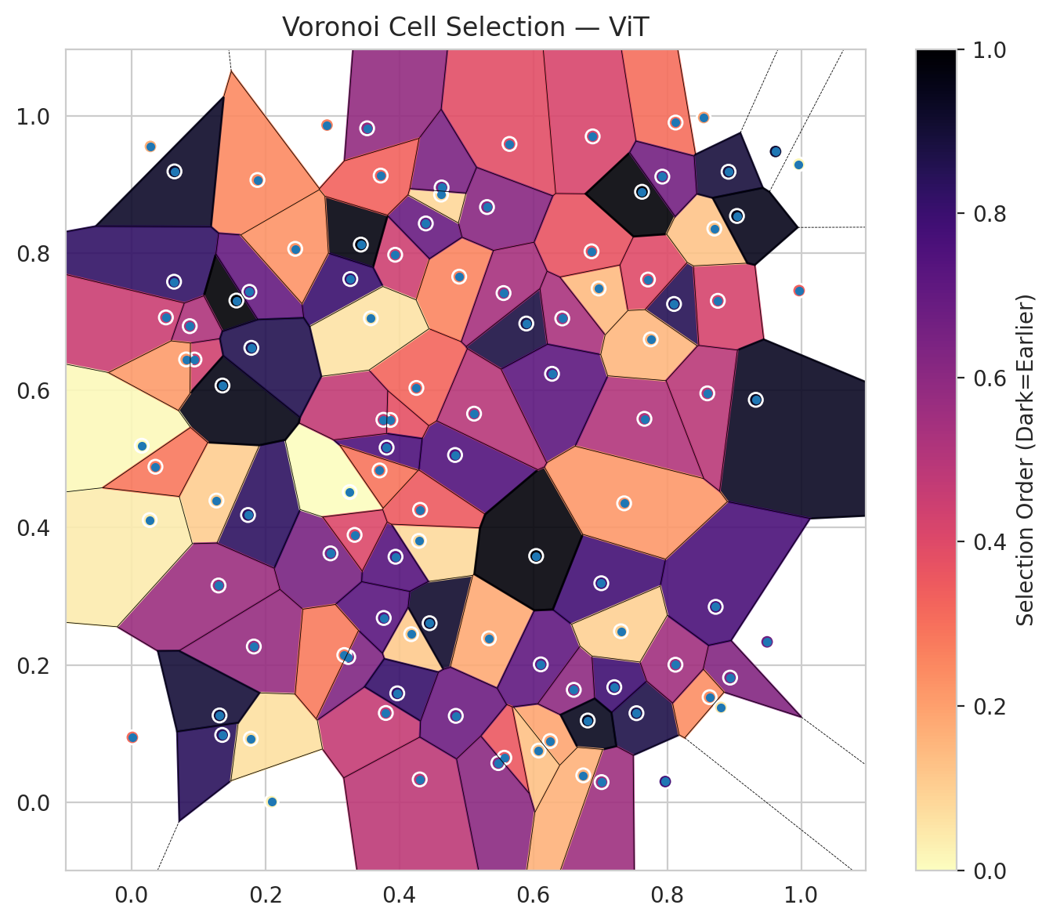
model_key | ViT_UNet_MultiHead
model_name | ViT
scoring_method | SAPS
window_size | 5
lambda | 0.5
k_iters | 1
empirical_coverage | 0.71461716937
avg_set_size | 0.72993039443
scene_coverage | 0.29210589363
scene_avg_set_size | 1.0307044965
uncertain_pixel_rate | 0.143115191
mean_per_class_cov | 0.72631269299
runtime_sec | 53.441396789
alpha | 0.05

heads | coverage | set_size |  |  | class_id | class_coverage | support_count | Class | Pixels
1 | 0.95313225058 | 0.98607888631 |  |  | 0 | 0.68708971554 | 914 | Class 0 | 38897
2 | 0.90765661253 | 0.93178654292 |  |  | 1 | 0.72466960352 | 454 | Class 1 | 15172
3 | 0.86589327146 | 0.88538283063 |  |  | 2 | 0.75139664804 | 358 | Class 2 | 16357
4 | 0.82969837587 | 0.84686774942 |  |  | 3 | 0.75 | 156 | Class 3 | 6769
5 | 0.78932714617 | 0.8060324826 |  |  | 4 | 0.66346153846 | 104 | Class 4 | 3638
6 | 0.743387471 | 0.7596287703 |  |  | 5 | 0.77227722772 | 101 | Class 5 | 4337
7 | 0.71461716937 | 0.72993039443 |  |  | 6 | 0.73529411765 | 68 | Class 6 | 1641
 |  |  |  |  |  |  |  | Uncertain | 14499

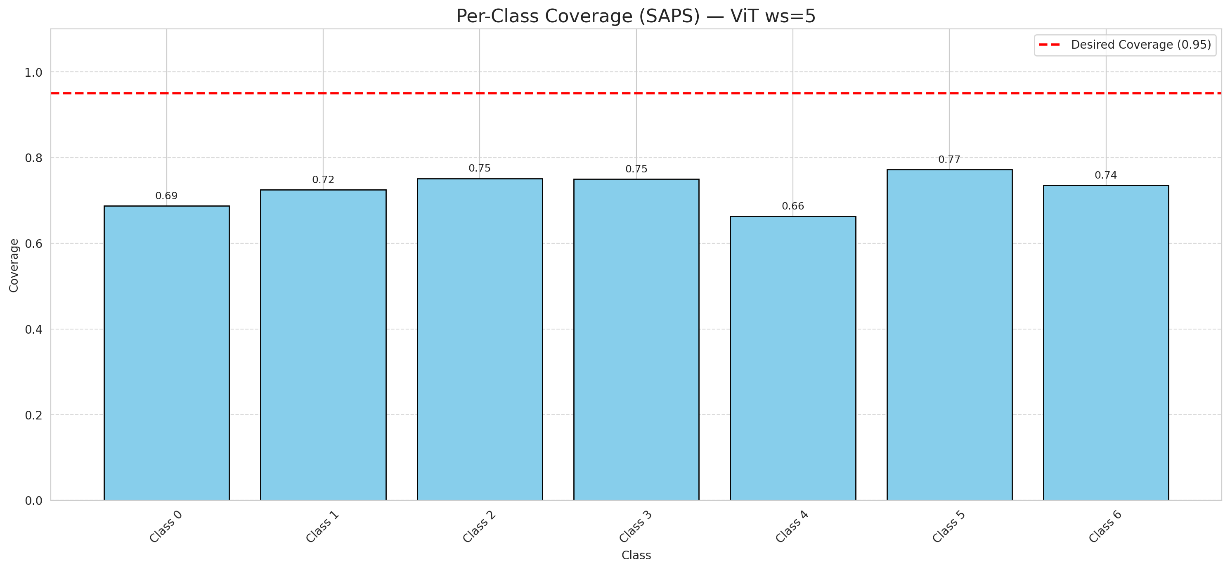

Cell Index | s1 | s2 | Selection_Order | Norm_Order(0-1) | Target
0 | 0.8125 | 0.9901 | 32 | 0.30188679245 | 0
1 | 0.0283 | 0.9553 | 18 | 0.16981132075 | 0
2 | 0.2972 | 0.3625 | 69 | 0.65094339623 | 0
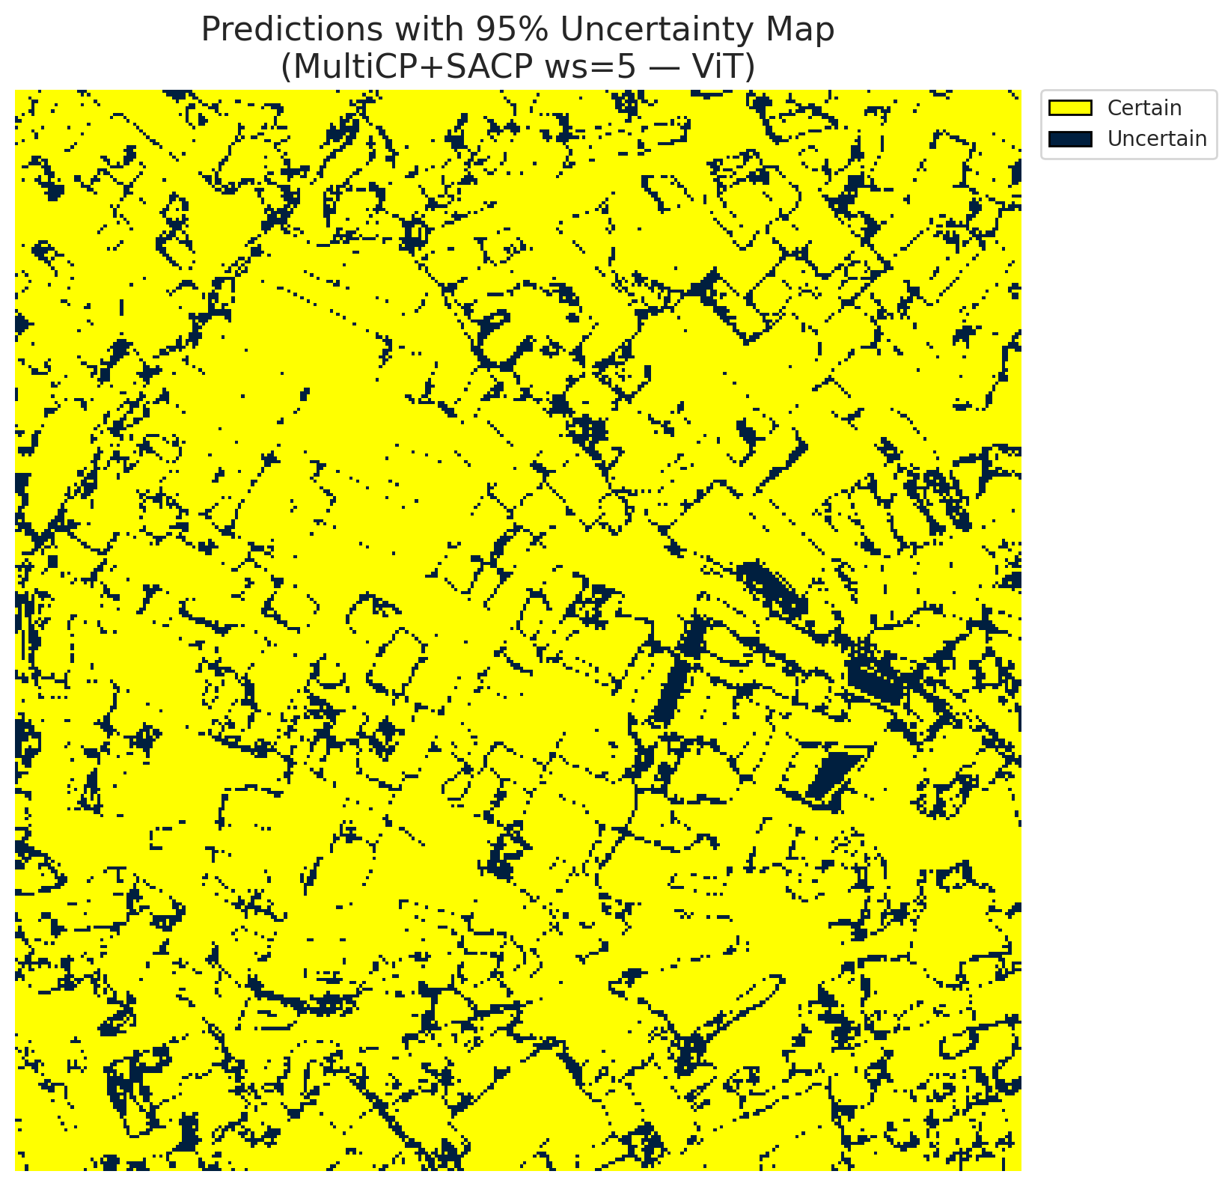
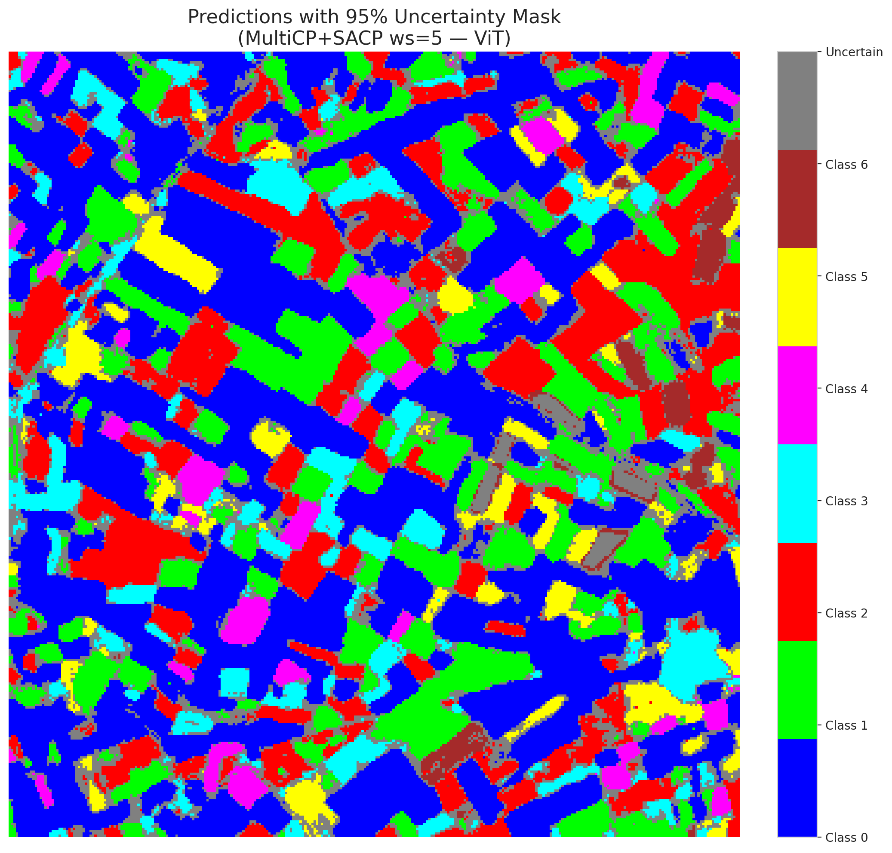
3 | 0.4177 | 0.2448 | 12 | 0.11320754717 | 2
4 | 0.4832 | 0.5058 | 79 | 0.74528301887 | 6
5 | 0.4452 | 0.2608 | 97 | 0.91509433962 | 2
6 | 0.174 | 0.4184 | 88 | 0.83018867925 | 0
7 | 0.8102 | 0.7258 | 90 | 0.84905660377 | 0
8 | 0.8939 | 0.1815 | 66 | 0.62264150943 | 0
9 | 0.4292 | 0.3807 | 8 | 0.075471698113 | 1
10 | 0.7541 | 0.1297 | 92 | 0.8679245283 | 3
11 | 0.3938 | 0.7975 | 47 | 0.44339622642 | 0
12 | 0.6976 | 0.7483 | 15 | 0.14150943396 | 4
13 | 0.687 | 0.8025 | 39 | 0.3679245283 | 0
14 | 0.6887 | 0.9699 | 44 | 0.41509433962 | 5
15 | 0.8545 | 0.9974 | 21 | 0.19811320755 | 0
16 | 0.721 | 0.1676 | 84 | 0.79245283019 | 1
17 | 0.1827 | 0.2268 | 61 | 0.57547169811 | 0
18 | 0.7713 | 0.7614 | 42 | 0.39622641509 | 2
19 | 0.7624 | 0.8892 | 105 | 0.99056603774 | 3
20 | 0.702 | 0.0293 | 59 | 0.55660377358 | 0
21 | 0.4894 | 0.7656 | 27 | 0.25471698113 | 4
22 | 0.1355 | 0.098 | 89 | 0.83962264151 | 0
23 | 0.3798 | 0.13 | 49 | 0.46226415094 | 0
24 | 0.3943 | 0.3576 | 78 | 0.7358490566 | 1
25 | 0.431 | 0.4259 | 37 | 0.34905660377 | 2
26 | 0.8756 | 0.7304 | 45 | 0.42452830189 | 4
27 | 0.5645 | 0.9589 | 41 | 0.38679245283 | 1
28 | 0.1269 | 0.4394 | 11 | 0.10377358491 | 0
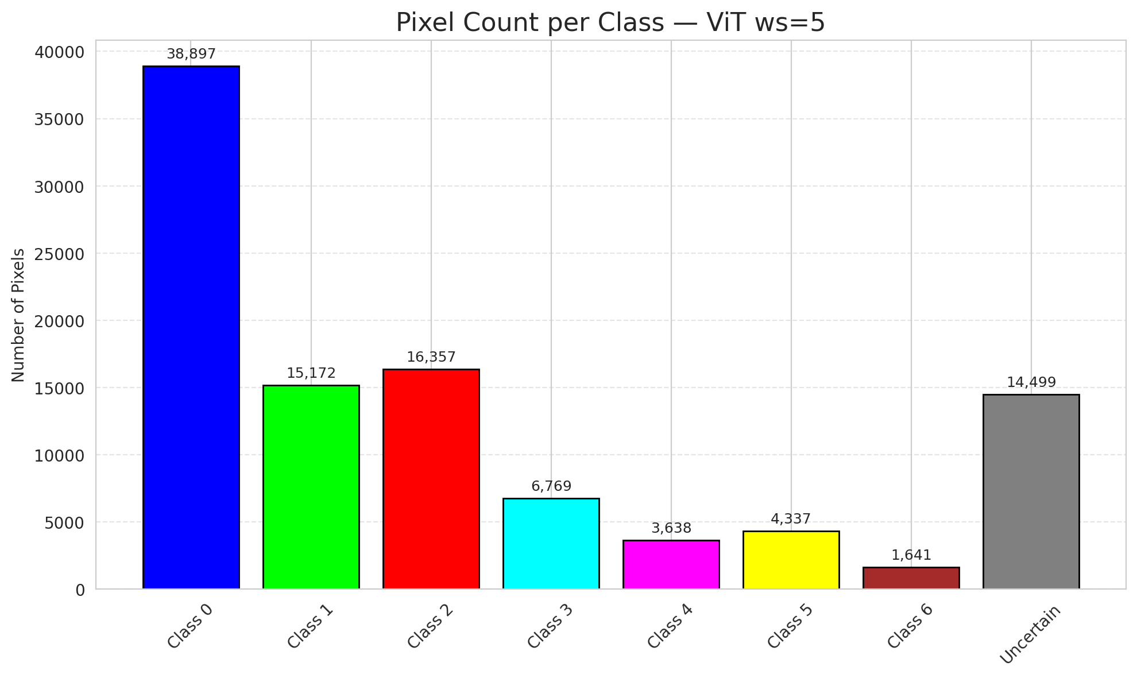
29 | 0.5338 | 0.2387 | 19 | 0.17924528302 | 3
30 | 0.3259 | 0.4518 | 0 | 0 | 0
31 | 0.6251 | 0.0891 | 20 | 0.18867924528 | 1
32 | 0.4255 | 0.6035 | 34 | 0.32075471698 | 6
33 | 0.1881 | 0.9064 | 26 | 0.24528301887 | 0
34 | 0.997 | 0.7453 | 36 | 0.33962264151 | 5
35 | 0.608 | 0.0752 | 14 | 0.1320754717 | 2
36 | 0.8633 | 0.153 | 25 | 0.2358490566 | 5
37 | 0.8704 | 0.8356 | 13 | 0.12264150943 | 2
38 | 0.3237 | 0.2115 | 67 | 0.6320754717 | 4
39 | 0.9618 | 0.9479 | 96 | 0.90566037736 | 1
40 | 0.4304 | 0.0332 | 51 | 0.48113207547 | 0
41 | 0.4395 | 0.8431 | 73 | 0.68867924528 | 0
42 | 0.0941 | 0.6449 | 46 | 0.43396226415 | 0
43 | 0.0642 | 0.9189 | 98 | 0.92452830189 | 0
44 | 0.8916 | 0.9184 | 94 | 0.88679245283 | 0
45 | 0.5309 | 0.867 | 65 | 0.61320754717 | 0
46 | 0.3866 | 0.5568 | 40 | 0.37735849057 | 0
47 | 0.4623 | 0.8851 | 9 | 0.084905660377 | 1
48 | 0.3767 | 0.2684 | 77 | 0.72641509434 | 0
49 | 0.5896 | 0.6973 | 93 | 0.87735849057 | 2
50 | 0.6112 | 0.2008 | 75 | 0.70754716981 | 0
51 | 0.6605 | 0.1637 | 63 | 0.59433962264 | 0
52 | 0.13 | 0.3157 | 60 | 0.56603773585 | 6
53 | 0.2092 | 0.0007 | 3 | 0.028301886792 | 3
54 | 0.6813 | 0.119 | 100 | 0.94339622642 | 0
55 | 0.1781 | 0.0925 | 7 | 0.066037735849 | 6
56 | 0.0636 | 0.7582 | 87 | 0.82075471698 | 2
57 | 0.3969 | 0.1586 | 86 | 0.81132075472 | 2
58 | 0.0013 | 0.0945 | 33 | 0.31132075472 | 0
59 | 0.9492 | 0.2336 | 71 | 0.66981132075 | 2
60 | 0.1315 | 0.1264 | 95 | 0.89622641509 | 3
61 | 0.4631 | 0.8955 | 68 | 0.64150943396 | 2
62 | 0.5568 | 0.0648 | 38 | 0.35849056604 | 1
63 | 0.8123 | 0.2003 | 58 | 0.54716981132 | 0
64 | 0.0272 | 0.411 | 4 | 0.037735849057 | 1
65 | 0.7016 | 0.319 | 83 | 0.78301886792 | 0
66 | 0.3425 | 0.8123 | 103 | 0.97169811321 | 0
67 | 0.6043 | 0.3587 | 104 | 0.98113207547 | 2
68 | 0.381 | 0.5166 | 80 | 0.75471698113 | 0
69 | 0.9323 | 0.5862 | 99 | 0.93396226415 | 0
70 | 0.6433 | 0.7047 | 56 | 0.52830188679 | 1
71 | 0.3762 | 0.5571 | 50 | 0.47169811321 | 5
72 | 0.5556 | 0.7417 | 57 | 0.53773584906 | 2
73 | 0.8802 | 0.1381 | 5 | 0.047169811321 | 0
74 | 0.4843 | 0.1258 | 72 | 0.67924528302 | 2
75 | 0.5478 | 0.057 | 64 | 0.60377358491 | 5
76 | 0.3268 | 0.7621 | 85 | 0.80188679245 | 1
77 | 0.7927 | 0.9113 | 70 | 0.66037735849 | 3
78 | 0.6747 | 0.0391 | 17 | 0.16037735849 | 0
79 | 0.9964 | 0.9294 | 2 | 0.018867924528 | 0
80 | 0.7971 | 0.0301 | 82 | 0.77358490566 | 1
81 | 0.3574 | 0.7049 | 6 | 0.056603773585 | 1
82 | 0.1567 | 0.7308 | 106 | 1 | 6
83 | 0.1359 | 0.607 | 102 | 0.96226415094 | 1
84 | 0.766 | 0.5585 | 54 | 0.50943396226 | 1
85 | 0.3332 | 0.3894 | 43 | 0.40566037736 | 2
86 | 0.0514 | 0.7062 | 48 | 0.45283018868 | 0
87 | 0.1761 | 0.7435 | 74 | 0.69811320755 | 0
88 | 0.8724 | 0.2846 | 81 | 0.7641509434 | 0
89 | 0.3519 | 0.9817 | 62 | 0.58490566038 | 1
90 | 0.292 | 0.9864 | 28 | 0.2641509434 | 2
91 | 0.0153 | 0.5193 | 1 | 0.0094339622642 | 0
92 | 0.628 | 0.6241 | 76 | 0.71698113208 | 0
93 | 0.7754 | 0.6742 | 16 | 0.15094339623 | 4
94 | 0.9042 | 0.854 | 101 | 0.95283018868 | 1
95 | 0.3178 | 0.2144 | 29 | 0.27358490566 | 0
96 | 0.3705 | 0.4833 | 31 | 0.29245283019 | 2
97 | 0.3721 | 0.9128 | 35 | 0.33018867925 | 0
98 | 0.7357 | 0.4354 | 23 | 0.21698113208 | 0
99 | 0.7309 | 0.249 | 10 | 0.094339622642 | 1
100 | 0.5116 | 0.566 | 53 | 0.5 | 3
101 | 0.0358 | 0.4887 | 30 | 0.28301886792 | 3
102 | 0.087 | 0.6935 | 55 | 0.51886792453 | 6
103 | 0.179 | 0.6619 | 91 | 0.85849056604 | 0
104 | 0.0816 | 0.645 | 22 | 0.20754716981 | 4
105 | 0.2445 | 0.8061 | 24 | 0.22641509434 | 1
106 | 0.8599 | 0.5956 | 52 | 0.49056603774 | 0

