AlexNet_RAPS_ws7
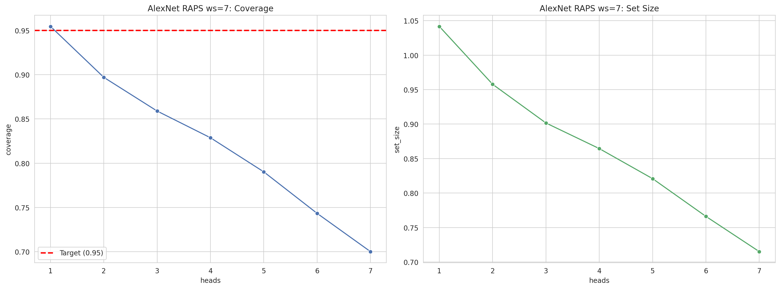
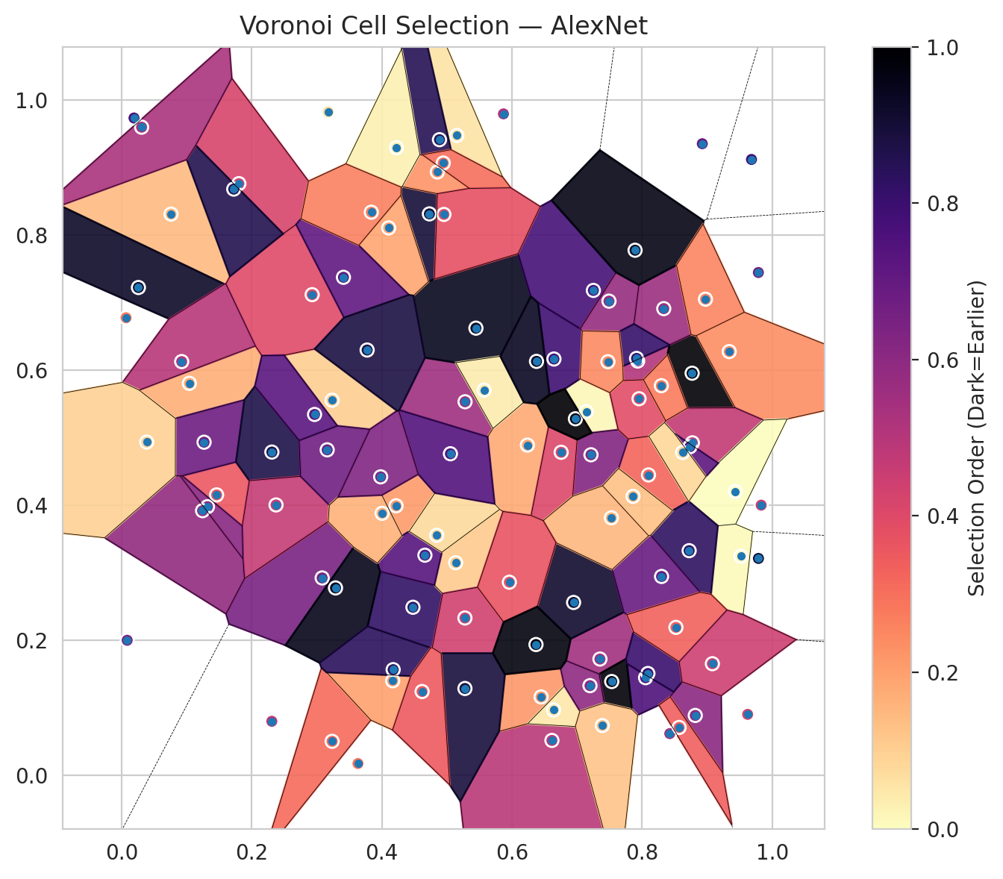
model_key | AlexNet_CNN_MultiHead
model_name | AlexNet
scoring_method | RAPS
window_size | 7
lambda | 0.5
k_iters | 1
empirical_coverage | 0.70023201856
avg_set_size | 0.7150812065
scene_coverage | 0.3613440345
scene_avg_set_size | 1.3370845614
uncertain_pixel_rate | 0.34072648307
mean_per_class_cov | 0.70627873408
runtime_sec | 79.483684434
alpha | 0.05

heads | coverage | set_size |  |  | class_id | class_coverage | support_count | Class | Pixels
1 | 0.95452436195 | 1.0417633411 |  |  | 0 | 0.68818380744 | 914 | Class 0 | 33534
2 | 0.8969837587 | 0.95777262181 |  |  | 1 | 0.7268722467 | 454 | Class 1 | 10978
3 | 0.85893271462 | 0.90162412993 |  |  | 2 | 0.69273743017 | 358 | Class 2 | 12661
4 | 0.82877030162 | 0.86450116009 |  |  | 3 | 0.69230769231 | 156 | Class 3 | 2582
5 | 0.79025522042 | 0.82088167053 |  |  | 4 | 0.74038461538 | 104 | Class 4 | 2871
6 | 0.743387471 | 0.76612529002 |  |  | 5 | 0.65346534653 | 101 | Class 5 | 3293
7 | 0.70023201856 | 0.7150812065 |  |  | 6 | 0.75 | 68 | Class 6 | 872
 |  |  |  |  |  |  |  | Uncertain | 34519

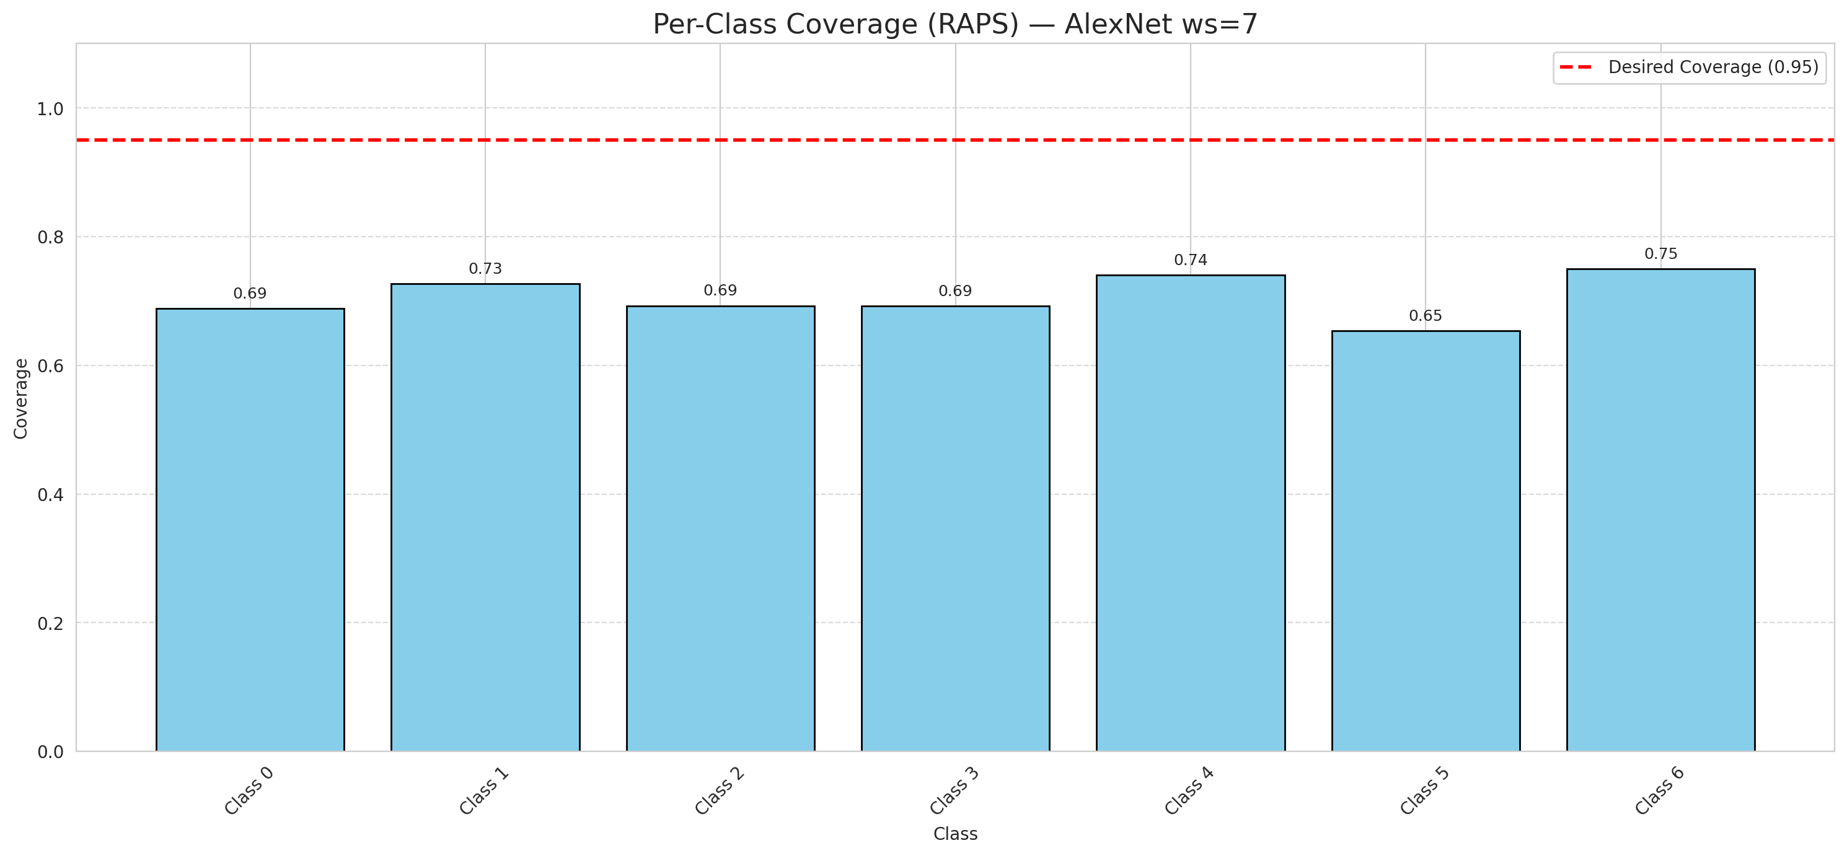

Cell Index | s1 | s2 | Selection_Order | Norm_Order(0-1) | Target
0 | 0.1043 | 0.5807 | 18 | 0.16981132075 | 0
1 | 0.9788 | 0.7448 | 70 | 0.66037735849 | 0
2 | 0.4479 | 0.2491 | 87 | 0.82075471698 | 0
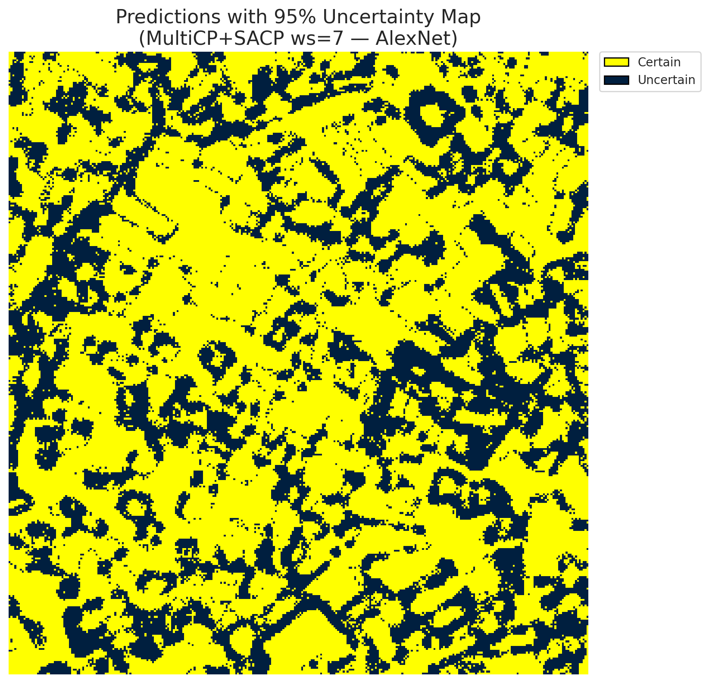
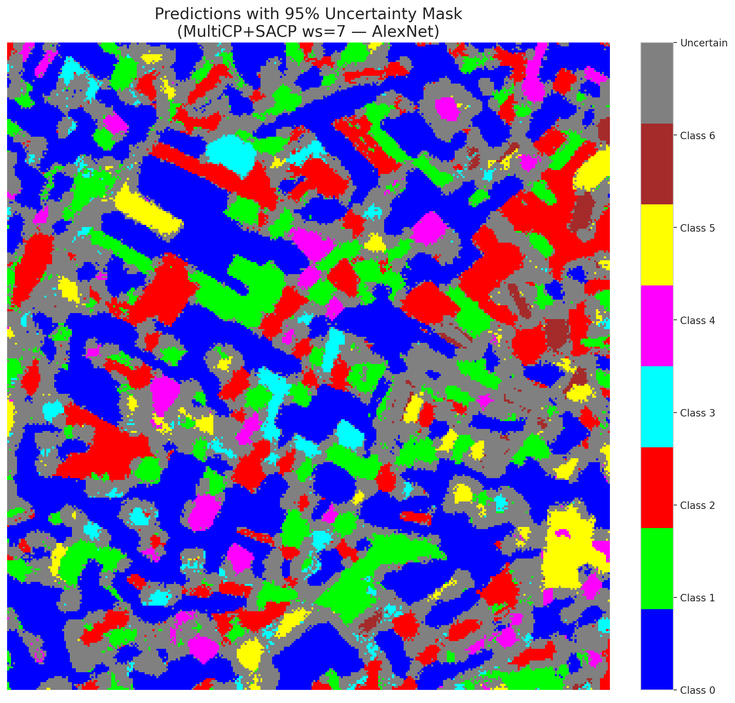
3 | 0.3237 | 0.5557 | 11 | 0.10377358491 | 2
4 | 0.7933 | 0.6137 | 54 | 0.50943396226 | 6
5 | 0.7143 | 0.5388 | 2 | 0.018867924528 | 2
6 | 0.528 | 0.5534 | 59 | 0.55660377358 | 0
7 | 0.8054 | 0.1448 | 80 | 0.75471698113 | 0
8 | 0.4732 | 0.8316 | 95 | 0.89622641509 | 0
9 | 0.5136 | 0.315 | 12 | 0.11320754717 | 1
10 | 0.3084 | 0.2925 | 69 | 0.65094339623 | 3
11 | 0.8926 | 0.9355 | 74 | 0.69811320755 | 0
12 | 0.8099 | 0.445 | 34 | 0.32075471698 | 4
13 | 0.007 | 0.6778 | 30 | 0.28301886792 | 0
14 | 0.8426 | 0.062 | 57 | 0.53773584906 | 5
15 | 0.7353 | 0.1724 | 58 | 0.54716981132 | 0
16 | 0.6615 | 0.0519 | 52 | 0.49056603774 | 1
17 | 0.0761 | 0.8313 | 15 | 0.14150943396 | 0
18 | 0.5447 | 0.6624 | 100 | 0.94339622642 | 2
19 | 0.877 | 0.5957 | 105 | 0.99056603774 | 3
20 | 0.6646 | 0.6167 | 84 | 0.79245283019 | 0
21 | 0.9623 | 0.0905 | 45 | 0.42452830189 | 4
22 | 0.587 | 0.9797 | 55 | 0.51886792453 | 0
23 | 0.934 | 0.6277 | 25 | 0.2358490566 | 0
24 | 0.9519 | 0.3246 | 1 | 0.0094339622642 | 1
25 | 0.422 | 0.3993 | 22 | 0.20754716981 | 2
26 | 0.1462 | 0.4155 | 38 | 0.35849056604 | 4
27 | 0.3237 | 0.0506 | 33 | 0.31132075472 | 1
28 | 0.6948 | 0.2562 | 97 | 0.91509433962 | 0
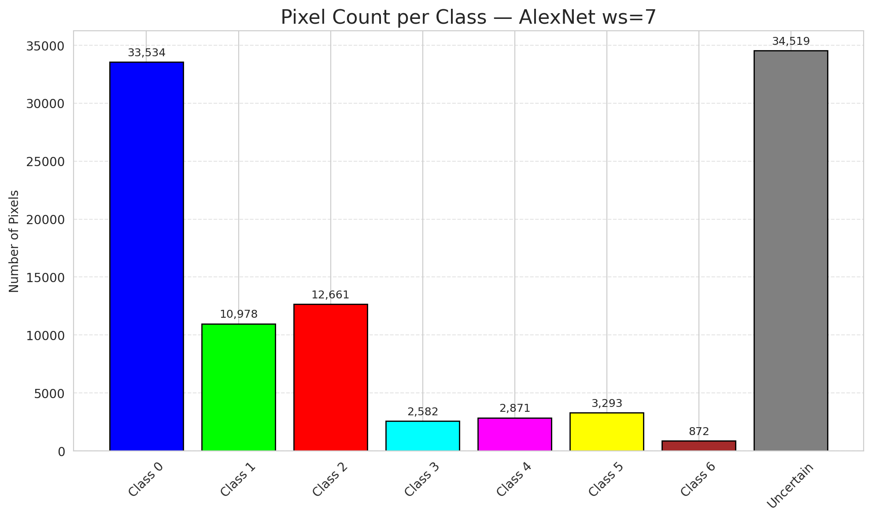
29 | 0.6449 | 0.1163 | 23 | 0.21698113208 | 3
30 | 0.8774 | 0.4926 | 50 | 0.47169811321 | 0
31 | 0.1269 | 0.4935 | 72 | 0.67924528302 | 1
32 | 0.9434 | 0.4205 | 0 | 0 | 6
33 | 0.4854 | 0.8937 | 24 | 0.22641509434 | 0
34 | 0.6238 | 0.4892 | 19 | 0.17924528302 | 5
35 | 0.7252 | 0.7183 | 82 | 0.77358490566 | 2
36 | 0.7534 | 0.1391 | 104 | 0.98113207547 | 5
37 | 0.293 | 0.712 | 42 | 0.39622641509 | 2
38 | 0.664 | 0.097 | 5 | 0.047169811321 | 4
39 | 0.2311 | 0.4789 | 92 | 0.8679245283 | 1
40 | 0.2375 | 0.4006 | 49 | 0.46226415094 | 0
41 | 0.5573 | 0.5706 | 4 | 0.037735849057 | 0
42 | 0.4106 | 0.8108 | 20 | 0.18867924528 | 0
43 | 0.7215 | 0.4749 | 66 | 0.62264150943 | 0
44 | 0.4663 | 0.3262 | 78 | 0.7358490566 | 0
45 | 0.9789 | 0.3214 | 96 | 0.90566037736 | 0
46 | 0.1804 | 0.8764 | 44 | 0.41509433962 | 0
47 | 0.3289 | 0.2777 | 101 | 0.95283018868 | 1
48 | 0.8818 | 0.0889 | 64 | 0.60377358491 | 0
49 | 0.8724 | 0.3329 | 88 | 0.83018867925 | 2
50 | 0.8736 | 0.4868 | 76 | 0.71698113208 | 0
51 | 0.857 | 0.0711 | 36 | 0.33962264151 | 0
52 | 0.7492 | 0.7024 | 61 | 0.57547169811 | 6
53 | 0.4168 | 0.1402 | 21 | 0.19811320755 | 3
54 | 0.6378 | 0.6132 | 99 | 0.93396226415 | 0
55 | 0.7954 | 0.5579 | 41 | 0.38679245283 | 6
56 | 0.026 | 0.7226 | 98 | 0.92452830189 | 2
57 | 0.8334 | 0.6913 | 60 | 0.56603773585 | 2
58 | 0.3177 | 0.9826 | 7 | 0.066037735849 | 0
59 | 0.72 | 0.133 | 63 | 0.59433962264 | 2
60 | 0.4845 | 0.3557 | 8 | 0.075471698113 | 3
61 | 0.6757 | 0.4786 | 43 | 0.40566037736 | 2
62 | 0.231 | 0.0802 | 51 | 0.48113207547 | 1
63 | 0.83 | 0.2947 | 73 | 0.68867924528 | 0
64 | 0.4175 | 0.1567 | 89 | 0.83962264151 | 1
65 | 0.0087 | 0.2002 | 68 | 0.64150943396 | 0
66 | 0.3161 | 0.4822 | 71 | 0.66981132075 | 0
67 | 0.5278 | 0.2332 | 46 | 0.43396226415 | 2
68 | 0.2967 | 0.5346 | 77 | 0.72641509434 | 0
69 | 0.7861 | 0.4133 | 14 | 0.1320754717 | 0
70 | 0.7529 | 0.3815 | 16 | 0.15094339623 | 1
71 | 0.3634 | 0.0177 | 31 | 0.29245283019 | 5
72 | 0.0925 | 0.6129 | 53 | 0.5 | 2
73 | 0.4005 | 0.3882 | 17 | 0.16037735849 | 0
74 | 0.9682 | 0.9122 | 83 | 0.78301886792 | 2
75 | 0.809 | 0.151 | 85 | 0.80188679245 | 5
76 | 0.3411 | 0.7377 | 75 | 0.70754716981 | 1
77 | 0.8297 | 0.5772 | 29 | 0.27358490566 | 3
78 | 0.8521 | 0.2193 | 35 | 0.33018867925 | 0
79 | 0.5961 | 0.2862 | 39 | 0.3679245283 | 0
80 | 0.5154 | 0.9478 | 6 | 0.056603773585 | 1
81 | 0.1725 | 0.8683 | 91 | 0.85849056604 | 1
82 | 0.6976 | 0.5282 | 106 | 1 | 6
83 | 0.5278 | 0.1288 | 94 | 0.88679245283 | 1
84 | 0.4887 | 0.9415 | 90 | 0.84905660377 | 1
85 | 0.0192 | 0.9736 | 81 | 0.7641509434 | 2
86 | 0.5055 | 0.4764 | 79 | 0.74528301887 | 0
87 | 0.8624 | 0.4783 | 9 | 0.084905660377 | 0
88 | 0.7893 | 0.7778 | 102 | 0.96226415094 | 0
89 | 0.9081 | 0.1655 | 47 | 0.44339622642 | 1
90 | 0.462 | 0.1243 | 37 | 0.34905660377 | 2
91 | 0.637 | 0.1939 | 103 | 0.97169811321 | 0
92 | 0.8975 | 0.7053 | 27 | 0.25471698113 | 0
93 | 0.3983 | 0.4422 | 67 | 0.6320754717 | 4
94 | 0.7389 | 0.0739 | 13 | 0.12264150943 | 1
95 | 0.4227 | 0.9297 | 3 | 0.028301886792 | 0
96 | 0.3839 | 0.8341 | 28 | 0.2641509434 | 2
97 | 0.9831 | 0.4003 | 48 | 0.45283018868 | 0
98 | 0.0309 | 0.96 | 56 | 0.52830188679 | 0
99 | 0.7916 | 0.6176 | 86 | 0.81132075472 | 1
100 | 0.3775 | 0.63 | 93 | 0.87735849057 | 3
101 | 0.1321 | 0.398 | 65 | 0.61320754717 | 3
102 | 0.1246 | 0.3921 | 62 | 0.58490566038 | 6
103 | 0.0388 | 0.4937 | 10 | 0.094339622642 | 0
104 | 0.7476 | 0.6127 | 26 | 0.24528301887 | 4
105 | 0.4945 | 0.9069 | 32 | 0.30188679245 | 1
106 | 0.4955 | 0.8308 | 40 | 0.37735849057 | 0

AlexNet_SAPS_ws7
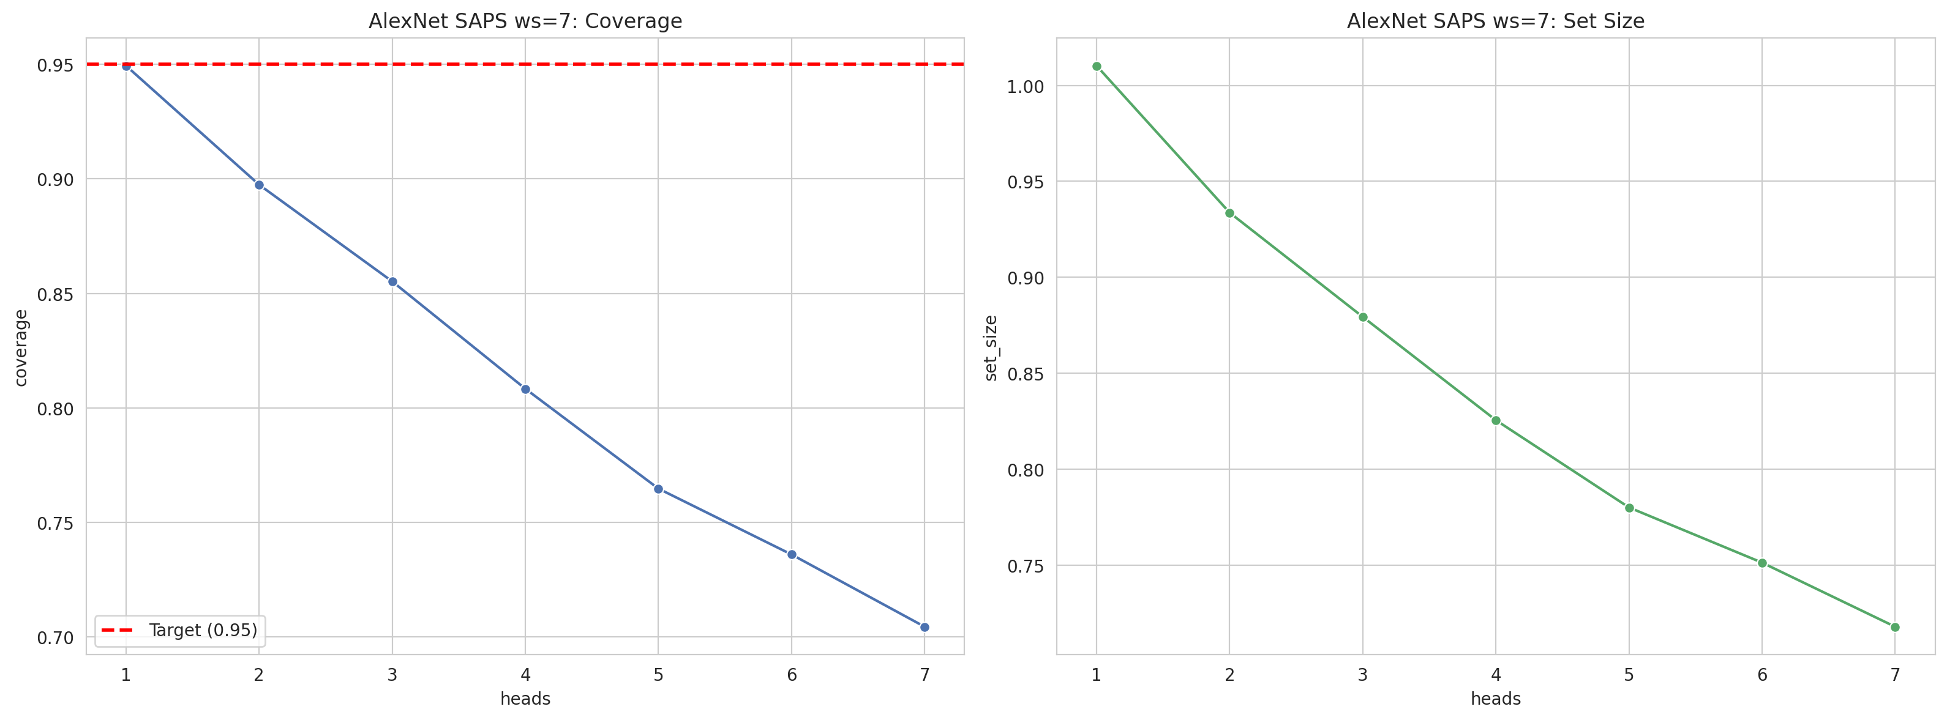
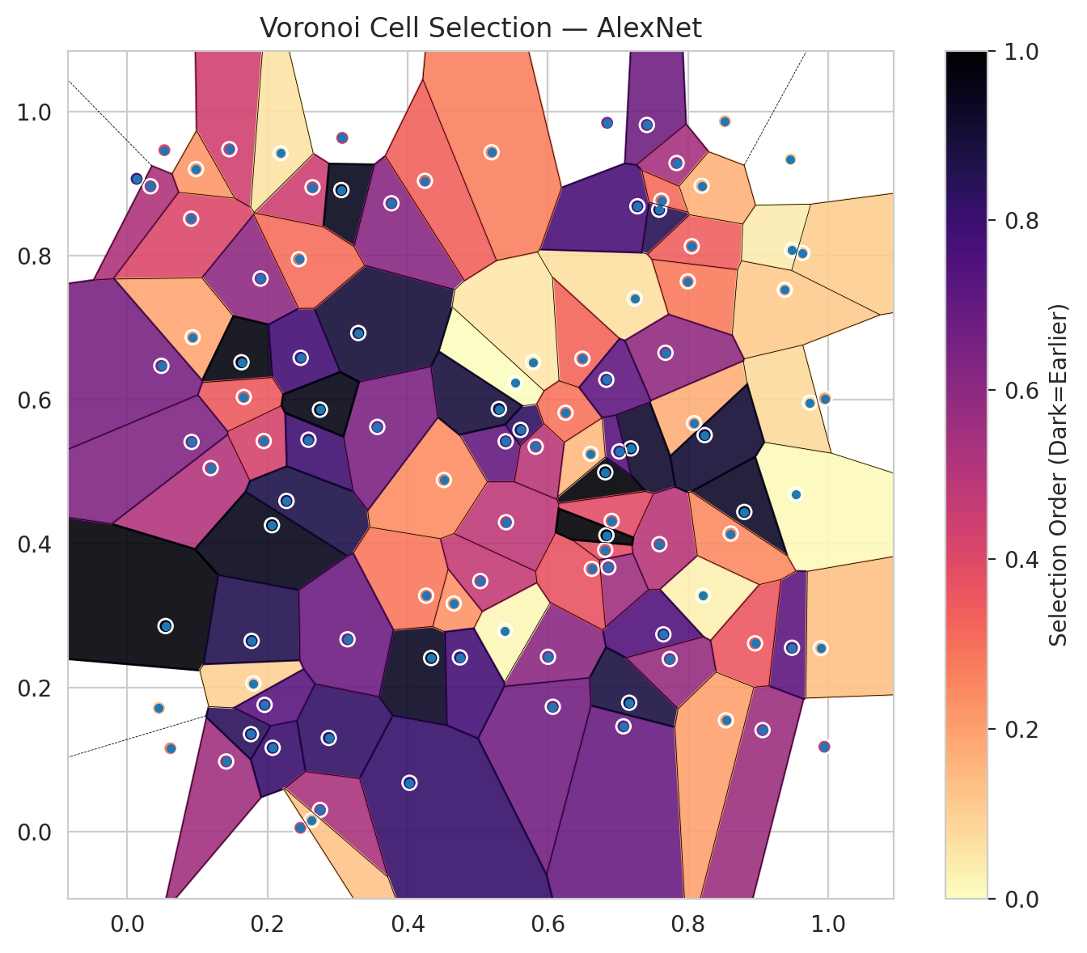
model_key | AlexNet_CNN_MultiHead
model_name | AlexNet
scoring_method | SAPS
window_size | 7
lambda | 0.5
k_iters | 1
empirical_coverage | 0.70440835267
avg_set_size | 0.71786542923
scene_coverage | 0.29426209871
scene_avg_set_size | 1.0288487302
uncertain_pixel_rate | 0.12203138881
mean_per_class_cov | 0.70433148729
runtime_sec | 79.835079901
alpha | 0.05

heads | coverage | set_size |  |  | class_id | class_coverage | support_count | Class | Pixels
1 | 0.9494199536 | 1.0102088167 |  |  | 0 | 0.69912472648 | 914 | Class 0 | 39863
2 | 0.89744779582 | 0.93364269142 |  |  | 1 | 0.71365638767 | 454 | Class 1 | 15897
3 | 0.85522041763 | 0.87935034803 |  |  | 2 | 0.71229050279 | 358 | Class 2 | 16512
4 | 0.80835266821 | 0.82552204176 |  |  | 3 | 0.71794871795 | 156 | Class 3 | 5111
5 | 0.76473317865 | 0.78004640371 |  |  | 4 | 0.64423076923 | 104 | Class 4 | 4168
6 | 0.73596287703 | 0.75127610209 |  |  | 5 | 0.69306930693 | 101 | Class 5 | 5820
7 | 0.70440835267 | 0.71786542923 |  |  | 6 | 0.75 | 68 | Class 6 | 1576
 |  |  |  |  |  |  |  | Uncertain | 12363

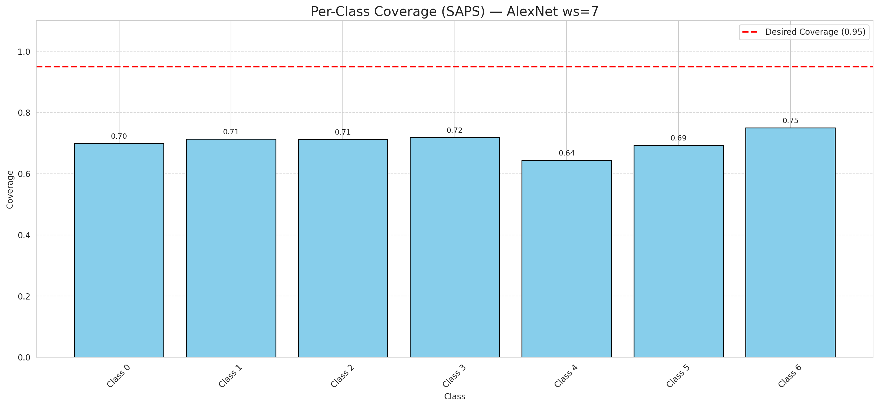

Cell Index | s1 | s2 | Selection_Order | Norm_Order(0-1) | Target
0 | 0.682 | 0.4989 | 106 | 1 | 0
1 | 0.7589 | 0.8636 | 90 | 0.84905660377 | 0
2 | 0.0911 | 0.8511 | 43 | 0.40566037736 | 0
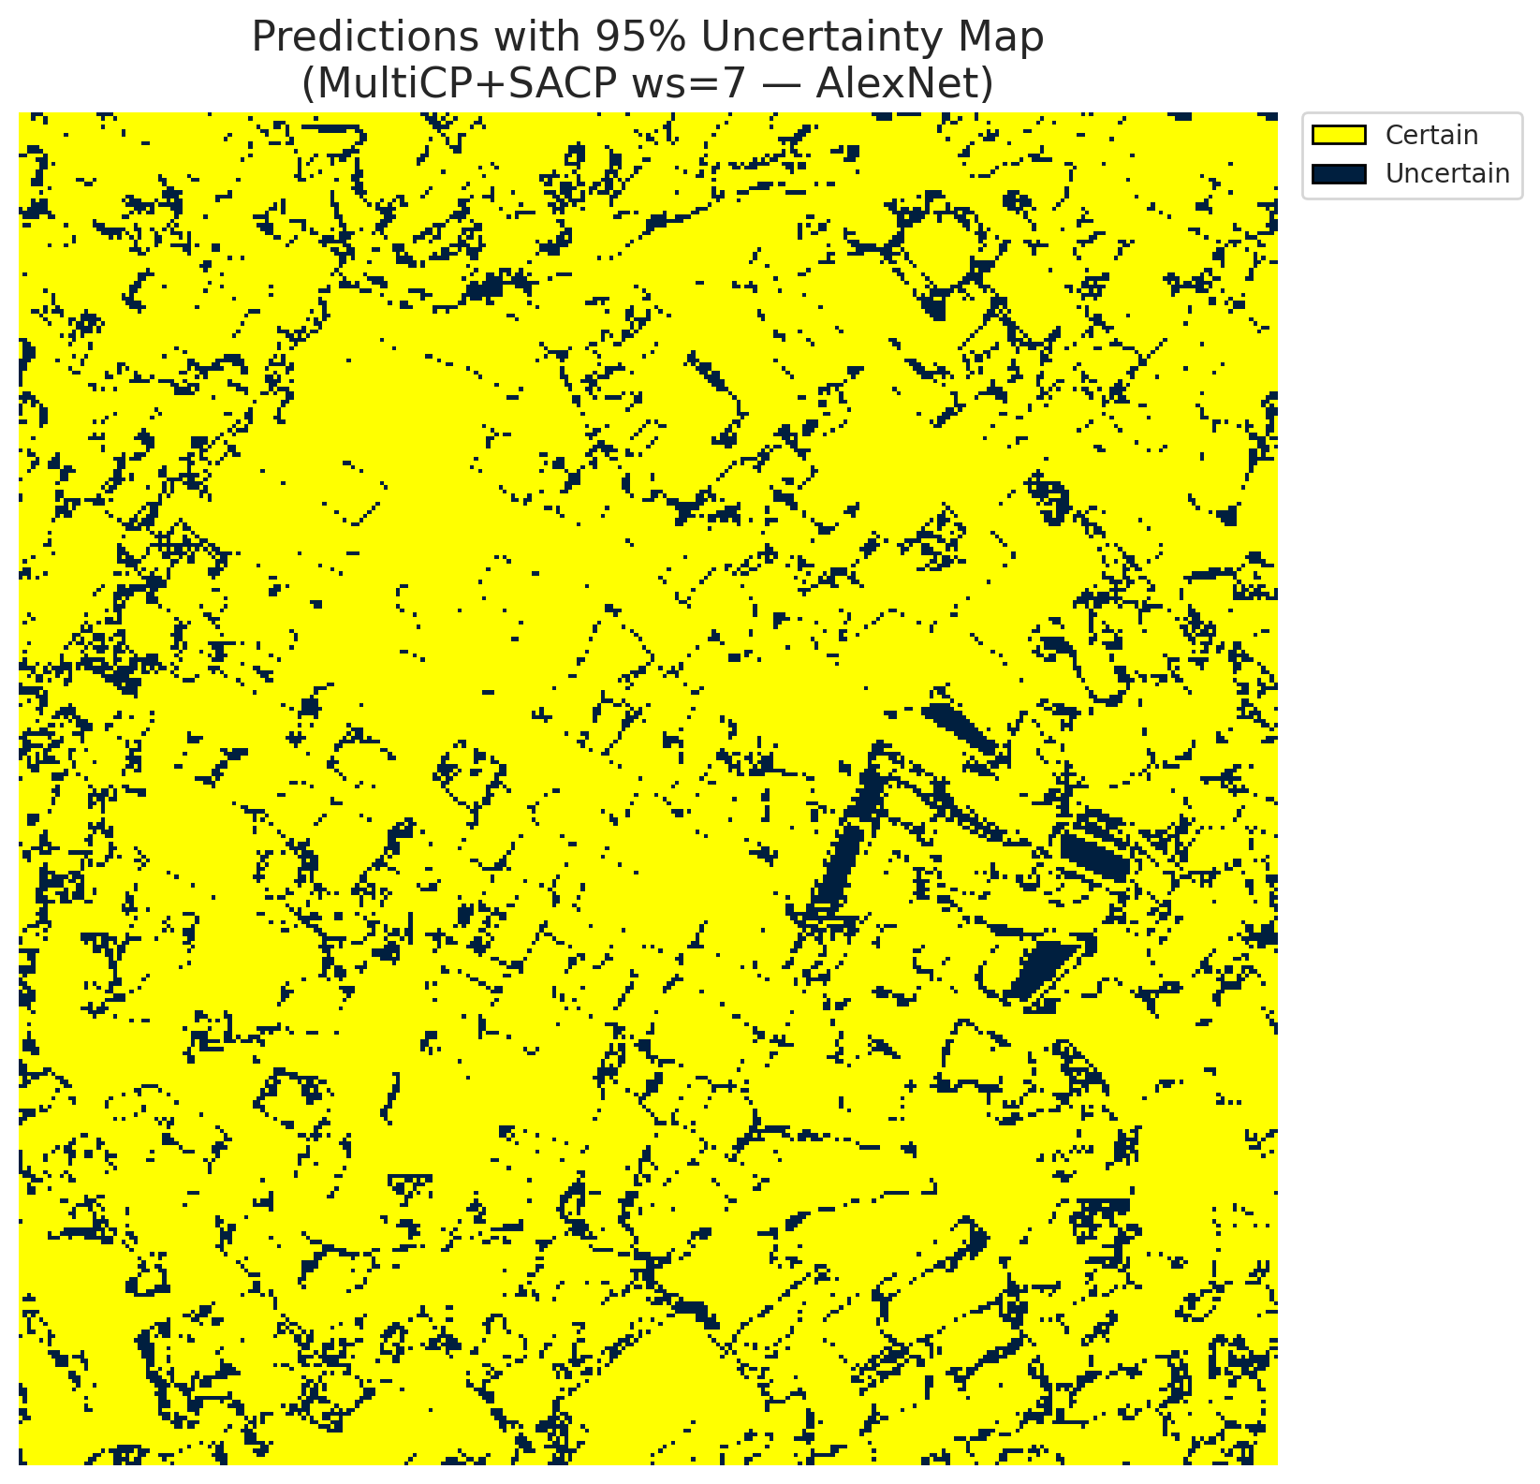
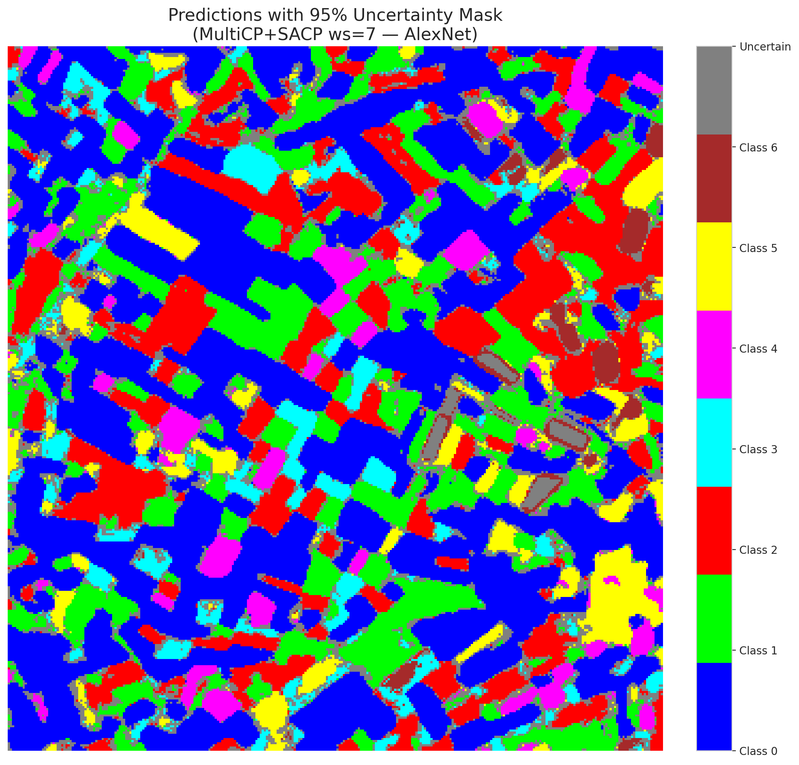
3 | 0.9539 | 0.4683 | 1 | 0.0094339622642 | 2
4 | 0.9064 | 0.1408 | 60 | 0.56603773585 | 6
5 | 0.1411 | 0.0972 | 58 | 0.54716981132 | 2
6 | 0.0614 | 0.1155 | 27 | 0.25471698113 | 0
7 | 0.8087 | 0.5671 | 18 | 0.16981132075 | 0
8 | 0.8216 | 0.3276 | 3 | 0.028301886792 | 0
9 | 0.9464 | 0.9338 | 9 | 0.084905660377 | 1
10 | 0.7079 | 0.146 | 73 | 0.68867924528 | 3
11 | 0.963 | 0.8034 | 11 | 0.10377358491 | 0
12 | 0.7239 | 0.7403 | 7 | 0.066037735849 | 4
13 | 0.6003 | 0.2426 | 64 | 0.60377358491 | 0
14 | 0.119 | 0.5047 | 54 | 0.50943396226 | 5
15 | 0.9484 | 0.2551 | 76 | 0.71698113208 | 0
16 | 0.3067 | 0.9633 | 50 | 0.47169811321 | 1
17 | 0.4335 | 0.2409 | 99 | 0.93396226415 | 0
18 | 0.7997 | 0.764 | 29 | 0.27358490566 | 2
19 | 0.7649 | 0.2738 | 79 | 0.74528301887 | 3
20 | 0.9946 | 0.1177 | 48 | 0.45283018868 | 0
21 | 0.0529 | 0.9463 | 42 | 0.39622641509 | 4
22 | 0.1901 | 0.7679 | 63 | 0.59433962264 | 0
23 | 0.1456 | 0.9476 | 46 | 0.43396226415 | 0
24 | 0.2064 | 0.4254 | 101 | 0.95283018868 | 1
25 | 0.539 | 0.2789 | 2 | 0.018867924528 | 2
26 | 0.2875 | 0.1299 | 87 | 0.82075471698 | 4
27 | 0.7185 | 0.532 | 97 | 0.91509433962 | 1
28 | 0.5611 | 0.5577 | 88 | 0.83018867925 | 0
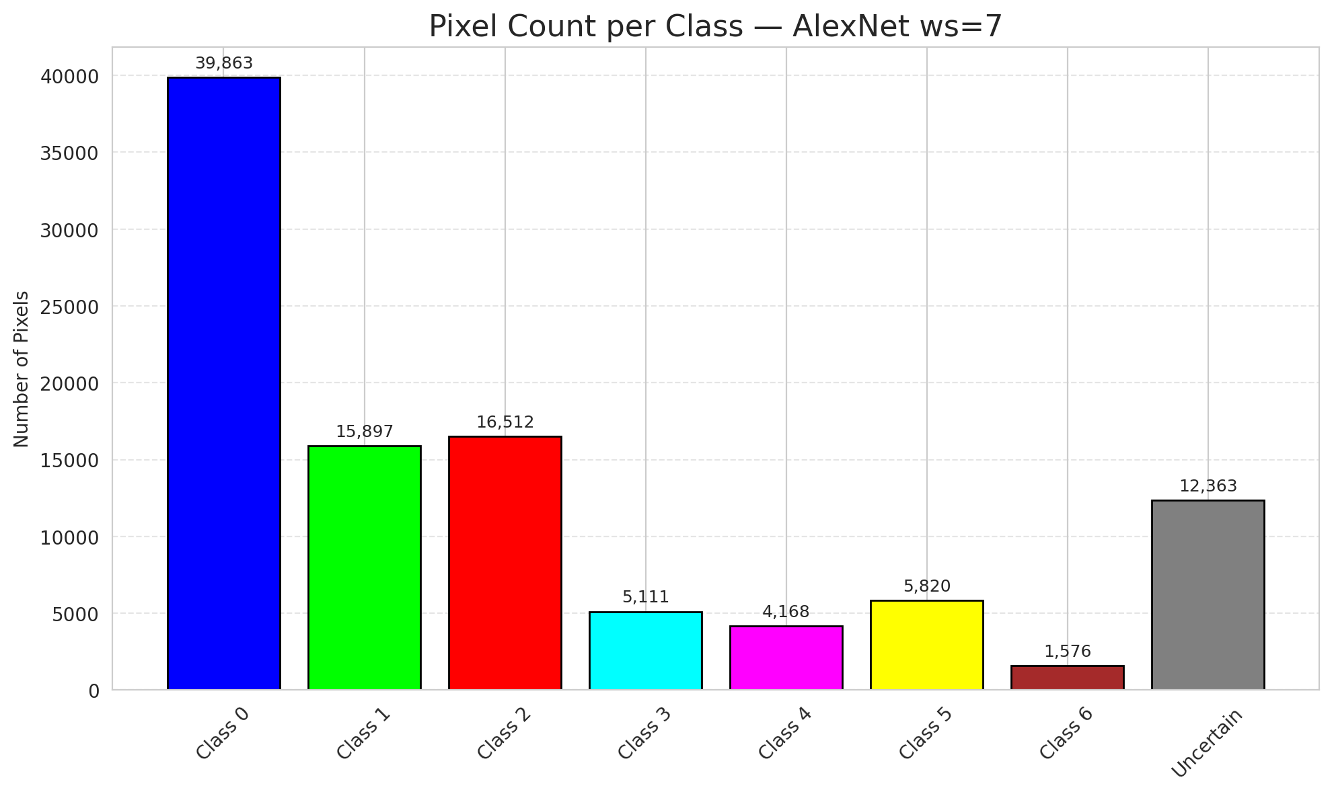
29 | 0.5399 | 0.5419 | 74 | 0.69811320755 | 3
30 | 0.7161 | 0.1788 | 93 | 0.87735849057 | 0
31 | 0.8957 | 0.2613 | 38 | 0.35849056604 | 1
32 | 0.5404 | 0.4295 | 51 | 0.48113207547 | 6
33 | 0.1764 | 0.1352 | 89 | 0.83962264151 | 0
34 | 0.5532 | 0.623 | 0 | 0 | 5
35 | 0.2074 | 0.1162 | 85 | 0.80188679245 | 2
36 | 0.7413 | 0.9813 | 71 | 0.66981132075 | 5
37 | 0.4658 | 0.3166 | 24 | 0.22641509434 | 2
38 | 0.7837 | 0.9284 | 57 | 0.53773584906 | 4
39 | 0.0932 | 0.6864 | 20 | 0.18867924528 | 1
40 | 0.7019 | 0.5278 | 78 | 0.7358490566 | 0
41 | 0.1947 | 0.5423 | 45 | 0.42452830189 | 0
42 | 0.8054 | 0.8128 | 36 | 0.33962264151 | 0
43 | 0.8528 | 0.9863 | 19 | 0.17924528302 | 0
44 | 0.2585 | 0.5441 | 84 | 0.79245283019 | 0
45 | 0.974 | 0.5955 | 8 | 0.075471698113 | 0
46 | 0.7278 | 0.8683 | 81 | 0.7641509434 | 0
47 | 0.0981 | 0.92 | 23 | 0.21698113208 | 1
48 | 0.6819 | 0.3911 | 40 | 0.37735849057 | 0
49 | 0.0546 | 0.2853 | 104 | 0.98113207547 | 2
50 | 0.9485 | 0.8077 | 4 | 0.037735849057 | 0
51 | 0.9954 | 0.6013 | 22 | 0.20754716981 | 0
52 | 0.774 | 0.2395 | 61 | 0.57547169811 | 6
53 | 0.0451 | 0.1713 | 16 | 0.15094339623 | 3
54 | 0.2643 | 0.8947 | 47 | 0.44339622642 | 0
55 | 0.2271 | 0.4591 | 92 | 0.8679245283 | 6
56 | 0.2187 | 0.942 | 6 | 0.056603773585 | 2
57 | 0.9381 | 0.7523 | 12 | 0.11320754717 | 2
58 | 0.7592 | 0.399 | 53 | 0.5 | 0
59 | 0.3054 | 0.8909 | 100 | 0.94339622642 | 2
60 | 0.6493 | 0.6566 | 34 | 0.32075471698 | 3
61 | 0.9896 | 0.2546 | 14 | 0.1320754717 | 2
62 | 0.247 | 0.0051 | 44 | 0.41509433962 | 1
63 | 0.1629 | 0.6517 | 103 | 0.97169811321 | 0
64 | 0.0133 | 0.9065 | 80 | 0.75471698113 | 1
65 | 0.4264 | 0.3275 | 30 | 0.28301886792 | 0
66 | 0.8542 | 0.1544 | 21 | 0.19811320755 | 0
67 | 0.6071 | 0.1732 | 70 | 0.66037735849 | 2
68 | 0.1798 | 0.2057 | 10 | 0.094339622642 | 0
69 | 0.3296 | 0.6923 | 95 | 0.89622641509 | 0
70 | 0.8238 | 0.5505 | 96 | 0.90566037736 | 1
71 | 0.1774 | 0.2647 | 91 | 0.85849056604 | 5
72 | 0.5036 | 0.3478 | 49 | 0.46226415094 | 2
73 | 0.6847 | 0.9843 | 66 | 0.62264150943 | 0
74 | 0.3142 | 0.2669 | 72 | 0.67924528302 | 2
75 | 0.6612 | 0.5245 | 15 | 0.14150943396 | 5
76 | 0.8804 | 0.4438 | 98 | 0.92452830189 | 1
77 | 0.2474 | 0.6579 | 83 | 0.78301886792 | 3
78 | 0.6864 | 0.3669 | 59 | 0.55660377358 | 0
79 | 0.3769 | 0.8725 | 65 | 0.61320754717 | 0
80 | 0.1959 | 0.1759 | 77 | 0.72641509434 | 1
81 | 0.1662 | 0.6035 | 37 | 0.34905660377 | 1
82 | 0.4746 | 0.2417 | 82 | 0.77358490566 | 6
83 | 0.579 | 0.652 | 5 | 0.047169811321 | 1
84 | 0.4518 | 0.4882 | 25 | 0.2358490566 | 1
85 | 0.6628 | 0.3647 | 39 | 0.3679245283 | 2
86 | 0.4027 | 0.0676 | 86 | 0.81132075472 | 0
87 | 0.0486 | 0.6467 | 69 | 0.65094339623 | 0
88 | 0.5827 | 0.5344 | 52 | 0.49056603774 | 0
89 | 0.2448 | 0.7948 | 32 | 0.30188679245 | 1
90 | 0.5198 | 0.9434 | 28 | 0.2641509434 | 2
91 | 0.762 | 0.8762 | 33 | 0.31132075472 | 0
92 | 0.0331 | 0.8961 | 55 | 0.51886792453 | 0
93 | 0.4247 | 0.9037 | 35 | 0.33018867925 | 4
94 | 0.0917 | 0.5411 | 67 | 0.6320754717 | 1
95 | 0.5302 | 0.5868 | 94 | 0.88679245283 | 0
96 | 0.275 | 0.0299 | 56 | 0.52830188679 | 2
97 | 0.6253 | 0.5816 | 31 | 0.29245283019 | 0
98 | 0.6911 | 0.4313 | 41 | 0.38679245283 | 0
99 | 0.3567 | 0.5619 | 68 | 0.64150943396 | 1
100 | 0.8196 | 0.8968 | 17 | 0.16037735849 | 3
101 | 0.7679 | 0.6649 | 62 | 0.58490566038 | 3
102 | 0.263 | 0.0156 | 13 | 0.12264150943 | 6
103 | 0.6836 | 0.4114 | 105 | 0.99056603774 | 0
104 | 0.6835 | 0.6274 | 75 | 0.70754716981 | 4
105 | 0.2749 | 0.5858 | 102 | 0.96226415094 | 1
106 | 0.8609 | 0.4137 | 26 | 0.24528301887 | 0

GFNet_RAPS_ws7
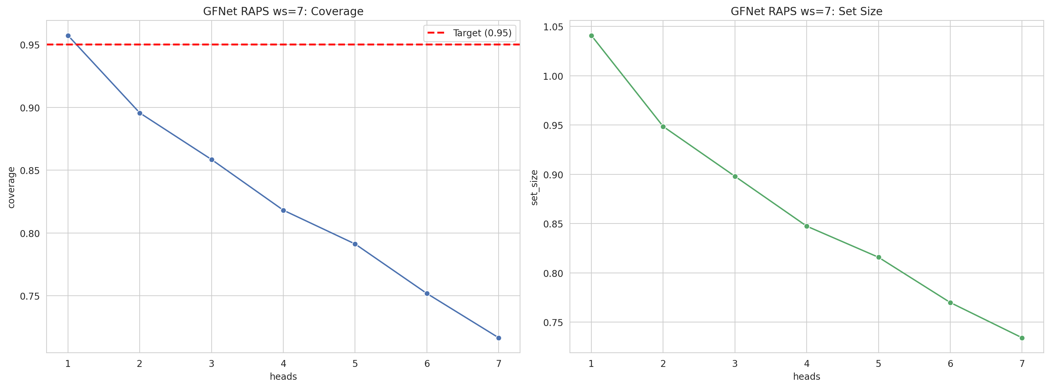
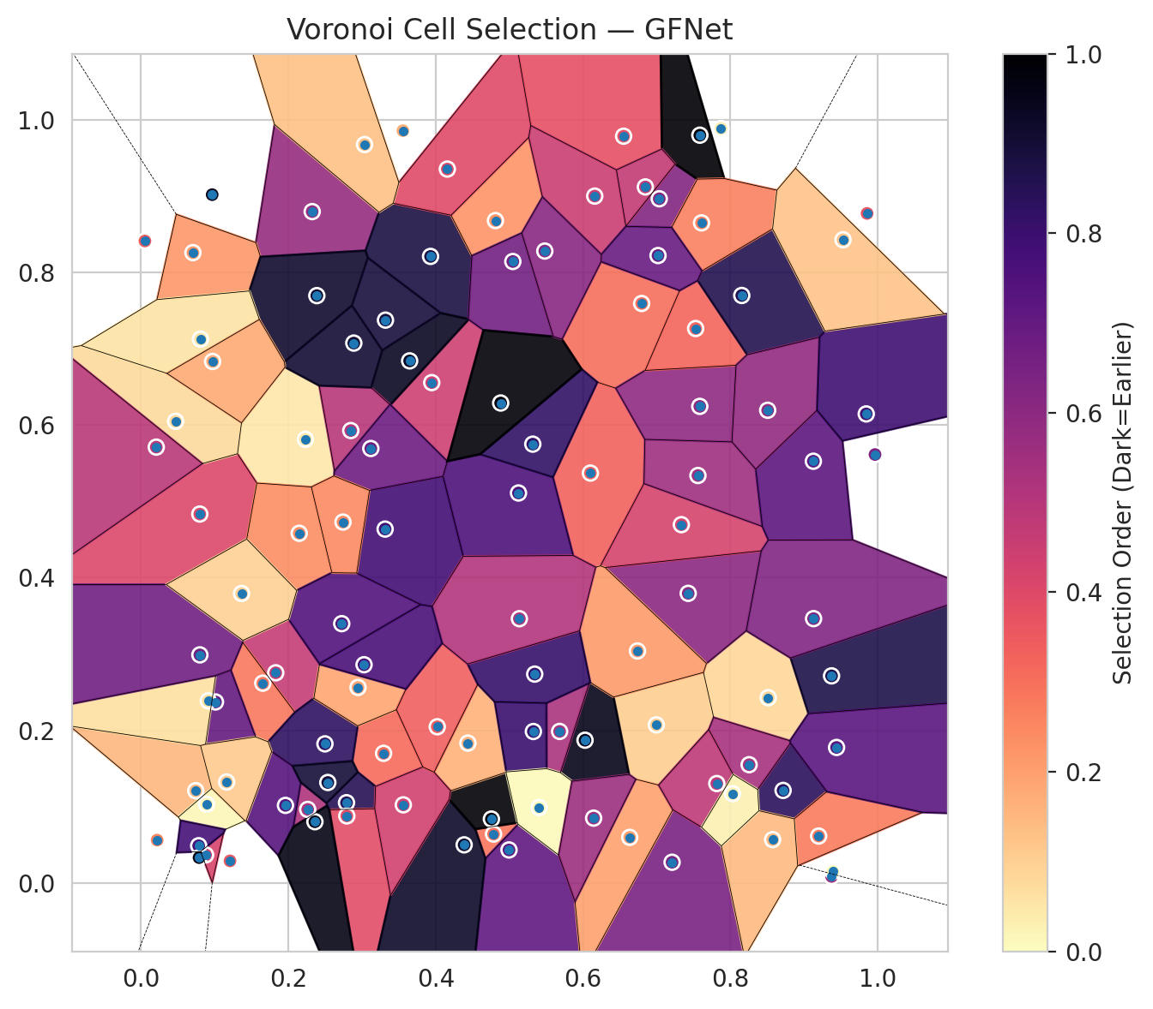
model_key | GFNet_MultiHead
model_name | GFNet
scoring_method | RAPS
window_size | 7
lambda | 0.5
k_iters | 1
empirical_coverage | 0.71647331787
avg_set_size | 0.73410672854
scene_coverage | 0.35798993771
scene_avg_set_size | 1.2597973543
uncertain_pixel_rate | 0.2931892212
mean_per_class_cov | 0.72842263422
runtime_sec | 80.118310957
alpha | 0.05

heads | coverage | set_size |  |  | class_id | class_coverage | support_count | Class | Pixels
1 | 0.95730858469 | 1.0408352668 |  |  | 0 | 0.71663019694 | 914 | Class 0 | 36112
2 | 0.89559164733 | 0.94849187935 |  |  | 1 | 0.70264317181 | 454 | Class 1 | 12599
3 | 0.85846867749 | 0.89791183295 |  |  | 2 | 0.72067039106 | 358 | Class 2 | 13193
4 | 0.8180974478 | 0.84733178654 |  |  | 3 | 0.70512820513 | 156 | Class 3 | 2949
5 | 0.79118329466 | 0.81577726218 |  |  | 4 | 0.67307692308 | 104 | Class 4 | 3206
6 | 0.75174013921 | 0.76983758701 |  |  | 5 | 0.74257425743 | 101 | Class 5 | 2358
7 | 0.71647331787 | 0.73410672854 |  |  | 6 | 0.83823529412 | 68 | Class 6 | 1190
 |  |  |  |  |  |  |  | Uncertain | 29703

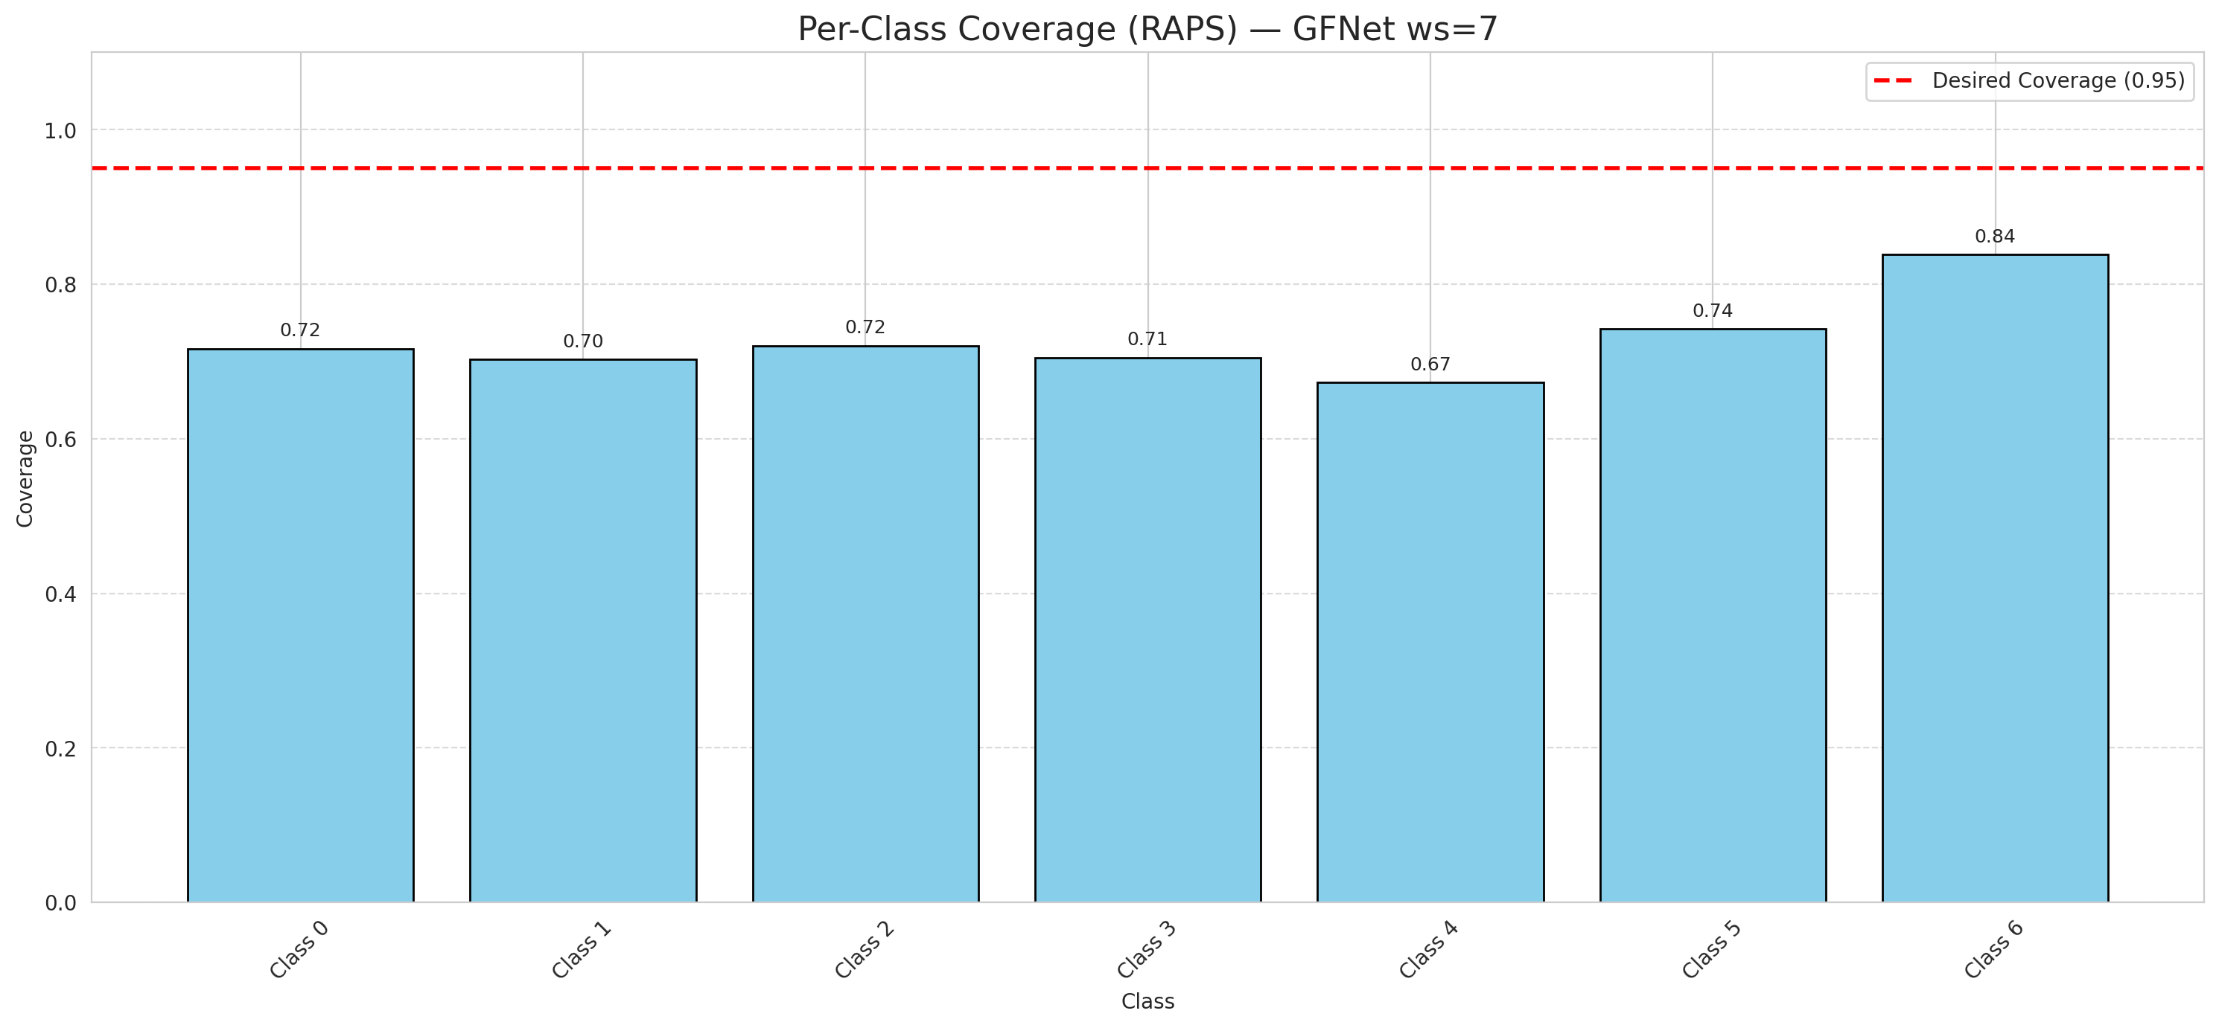

Cell Index | s1 | s2 | Selection_Order | Norm_Order(0-1) | Target
0 | 0.6996 | 0.2071 | 11 | 0.10377358491 | 0
1 | 0.721 | 0.0271 | 69 | 0.65094339623 | 0
2 | 0.2324 | 0.8796 | 61 | 0.57547169811 | 0
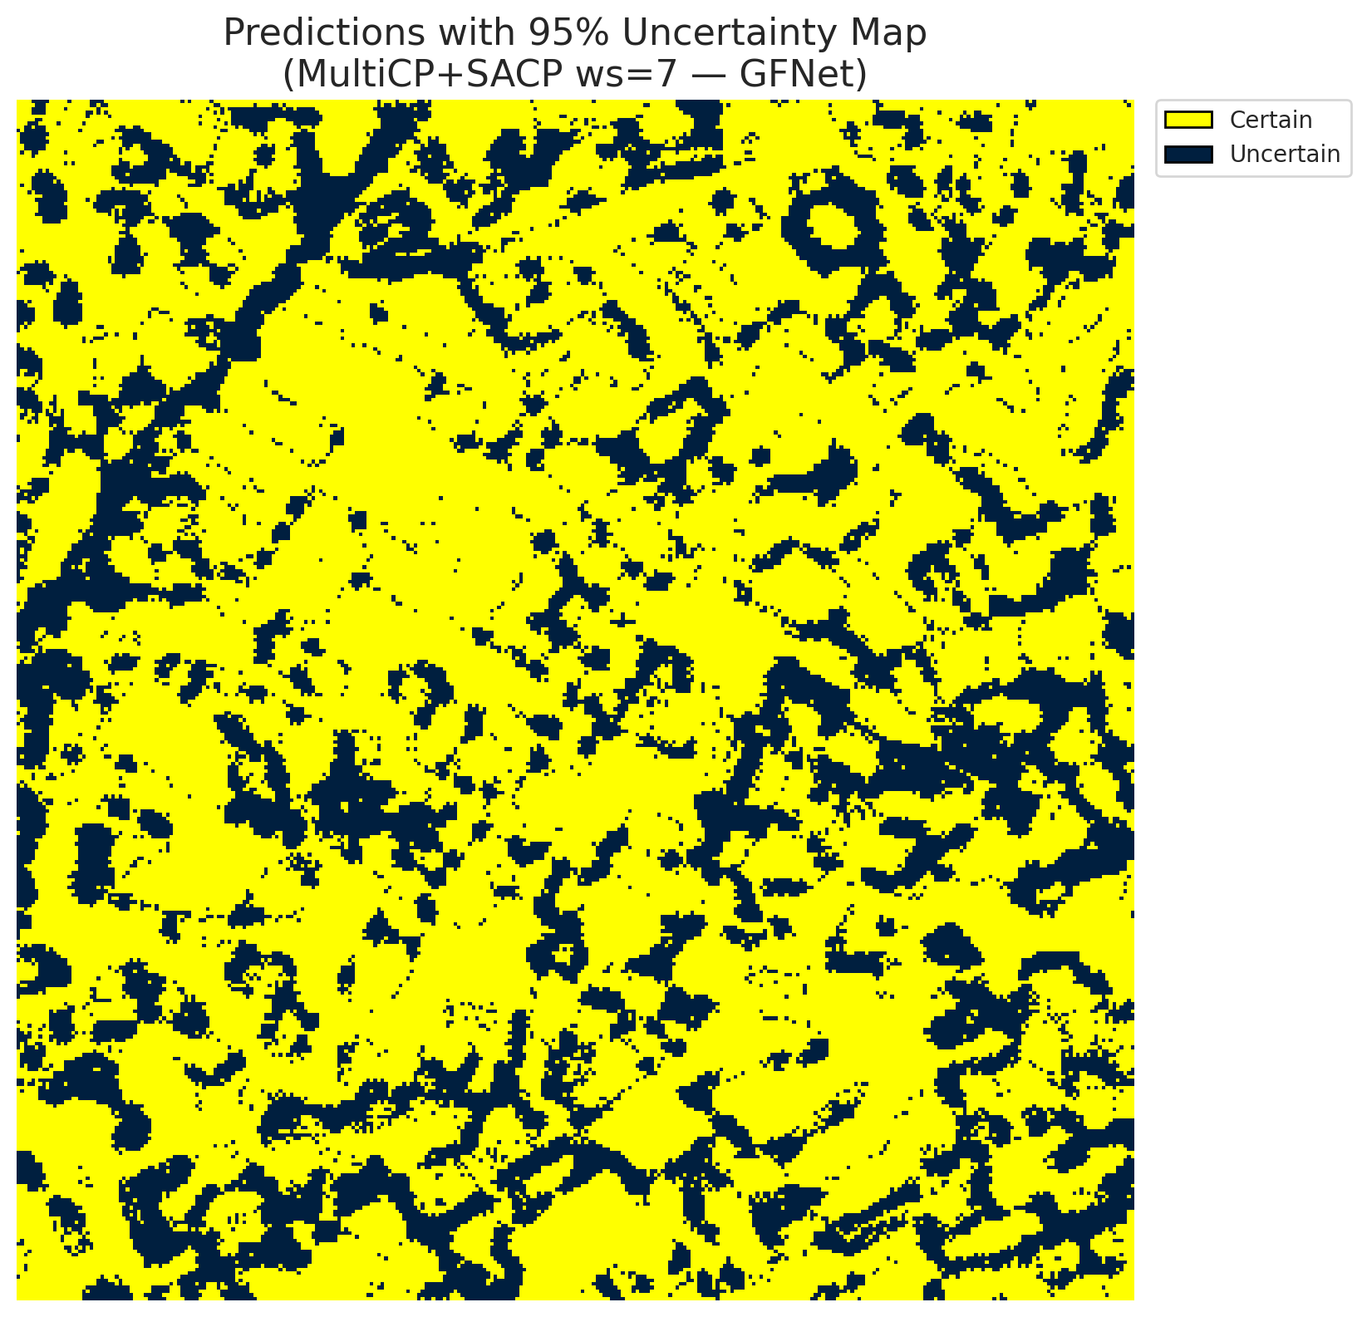
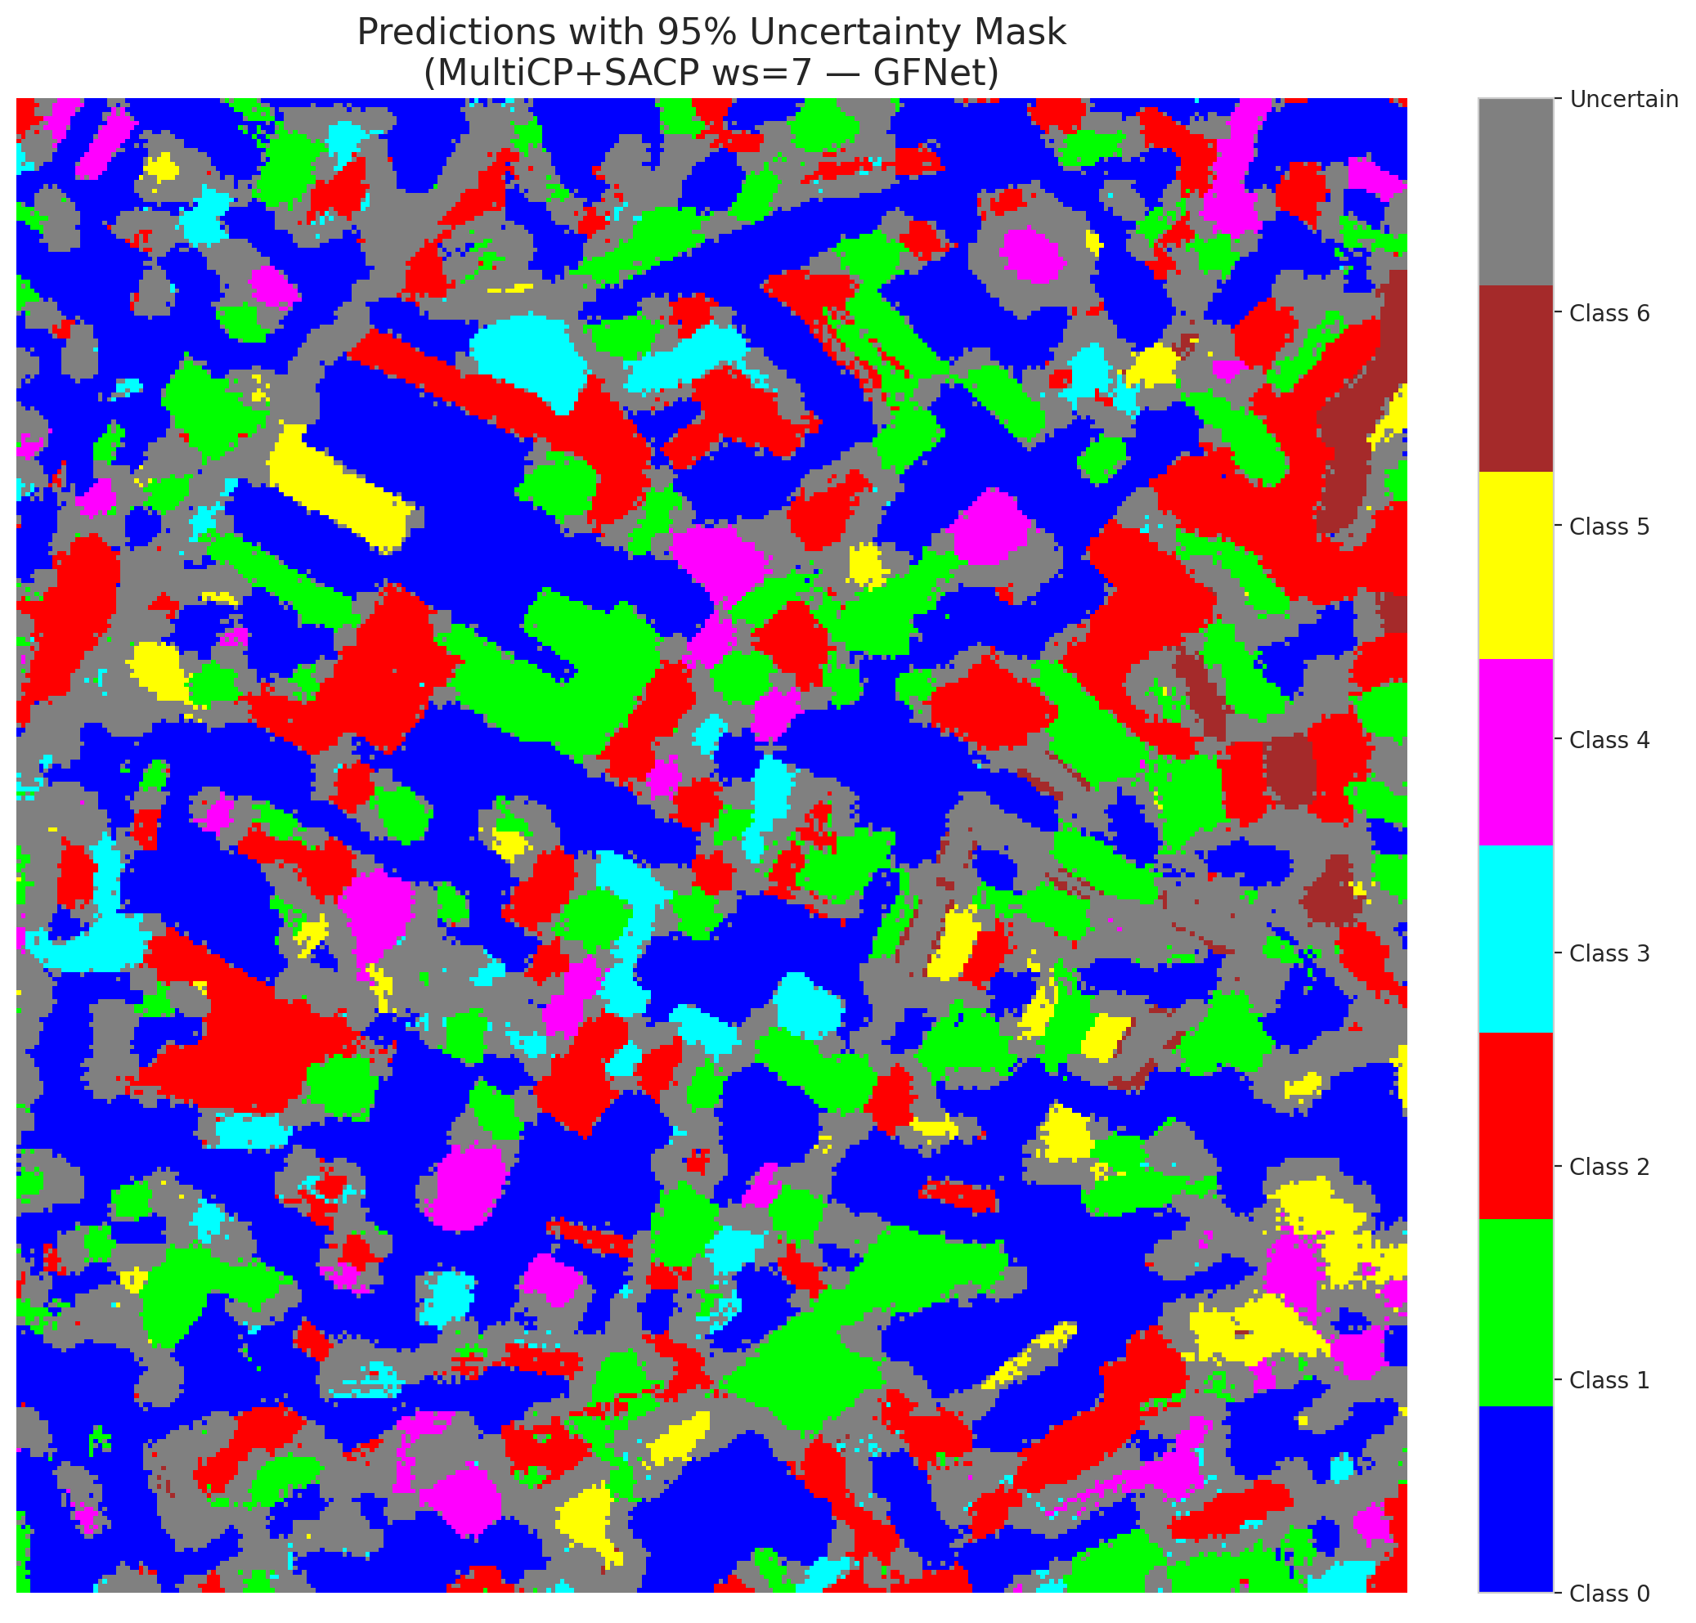
3 | 0.8515 | 0.2427 | 9 | 0.084905660377 | 2
4 | 0.6028 | 0.187 | 101 | 0.95283018868 | 6
5 | 0.6101 | 0.537 | 35 | 0.33018867925 | 2
6 | 0.2232 | 0.5812 | 5 | 0.047169811321 | 0
7 | 0.4786 | 0.064 | 31 | 0.29245283019 | 0
8 | 0.3931 | 0.8209 | 93 | 0.87735849057 | 0
9 | 0.9375 | 0.2713 | 92 | 0.8679245283 | 1
10 | 0.2263 | 0.0963 | 55 | 0.51886792453 | 3
11 | 0.4812 | 0.8678 | 24 | 0.22641509434 | 0
12 | 0.4996 | 0.0432 | 75 | 0.70754716981 | 4
13 | 0.3293 | 0.1698 | 33 | 0.31132075472 | 0
14 | 0.7429 | 0.3794 | 64 | 0.60377358491 | 5
15 | 0.0743 | 0.1208 | 16 | 0.15094339623 | 0
16 | 0.7874 | 0.9885 | 4 | 0.037735849057 | 1
17 | 0.0705 | 0.8258 | 23 | 0.21698113208 | 0
18 | 0.0798 | 0.4833 | 43 | 0.40566037736 | 2
19 | 0.089 | 0.1031 | 2 | 0.018867924528 | 3
20 | 0.6552 | 0.9784 | 40 | 0.37735849057 | 0
21 | 0.1829 | 0.2753 | 49 | 0.46226415094 | 4
22 | 0.1653 | 0.2617 | 30 | 0.28301886792 | 0
23 | 0.6797 | 0.7592 | 32 | 0.30188679245 | 0
24 | 0.8717 | 0.1212 | 89 | 0.83962264151 | 1
25 | 0.7336 | 0.4694 | 45 | 0.42452830189 | 2
26 | 0.3947 | 0.6555 | 47 | 0.44339622642 | 4
27 | 0.9375 | 0.0085 | 58 | 0.54716981132 | 1
28 | 0.279 | 0.1051 | 90 | 0.84905660377 | 0
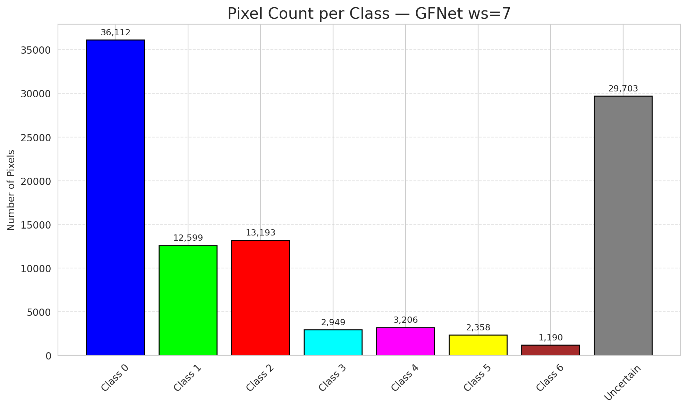
29 | 0.3647 | 0.684 | 99 | 0.93396226415 | 3
30 | 0.92 | 0.0614 | 29 | 0.27358490566 | 0
31 | 0.0053 | 0.8411 | 37 | 0.34905660377 | 1
32 | 0.2848 | 0.5927 | 53 | 0.5 | 6
33 | 0.9965 | 0.5613 | 68 | 0.64150943396 | 0
34 | 0.2387 | 0.7695 | 97 | 0.91509433962 | 5
35 | 0.4159 | 0.9353 | 42 | 0.39622641509 | 2
36 | 0.8575 | 0.0567 | 15 | 0.14150943396 | 5
37 | 0.2794 | 0.0878 | 41 | 0.38679245283 | 2
38 | 0.047 | 0.6048 | 8 | 0.075471698113 | 4
39 | 0.1011 | 0.2371 | 74 | 0.69811320755 | 1
40 | 0.4387 | 0.0499 | 98 | 0.92452830189 | 0
41 | 0.9392 | 0.015 | 0 | 0 | 0
42 | 0.7561 | 0.5338 | 59 | 0.55660377358 | 0
43 | 0.9128 | 0.5525 | 76 | 0.71698113208 | 0
44 | 0.5683 | 0.1985 | 56 | 0.52830188679 | 0
45 | 0.0966 | 0.9018 | 100 | 0.94339622642 | 0
46 | 0.4757 | 0.0837 | 105 | 0.99056603774 | 0
47 | 0.3314 | 0.4636 | 83 | 0.78301886792 | 1
48 | 0.2148 | 0.4581 | 25 | 0.2358490566 | 0
49 | 0.9131 | 0.3463 | 67 | 0.6320754717 | 2
50 | 0.4438 | 0.1832 | 17 | 0.16037735849 | 0
51 | 0.7586 | 0.6244 | 63 | 0.59433962264 | 0
52 | 0.5125 | 0.5109 | 80 | 0.75471698113 | 6
53 | 0.312 | 0.5692 | 72 | 0.67924528302 | 3
54 | 0.3561 | 0.1023 | 46 | 0.43396226415 | 0
55 | 0.9857 | 0.8772 | 39 | 0.3679245283 | 6
56 | 0.753 | 0.7264 | 34 | 0.32075471698 | 2
57 | 0.1208 | 0.0289 | 38 | 0.35849056604 | 2
58 | 0.674 | 0.3039 | 22 | 0.20754716981 | 0
59 | 0.2497 | 0.1822 | 88 | 0.83018867925 | 2
60 | 0.6635 | 0.0597 | 21 | 0.19811320755 | 3
61 | 0.7036 | 0.8964 | 66 | 0.62264150943 | 2
62 | 0.1961 | 0.1016 | 78 | 0.7358490566 | 1
63 | 0.8256 | 0.1549 | 57 | 0.53773584906 | 0
64 | 0.3035 | 0.9674 | 14 | 0.1320754717 | 1
65 | 0.2725 | 0.3397 | 79 | 0.74528301887 | 0
66 | 0.2946 | 0.2561 | 20 | 0.18867924528 | 0
67 | 0.8156 | 0.7697 | 91 | 0.85849056604 | 2
68 | 0.5319 | 0.5749 | 87 | 0.82075471698 | 0
69 | 0.7587 | 0.9797 | 106 | 1 | 0
70 | 0.0877 | 0.0367 | 44 | 0.41509433962 | 1
71 | 0.7817 | 0.1302 | 51 | 0.48113207547 | 5
72 | 0.0783 | 0.0487 | 82 | 0.77358490566 | 2
73 | 0.0913 | 0.2386 | 7 | 0.066037735849 | 0
74 | 0.5048 | 0.8142 | 70 | 0.66037735849 | 2
75 | 0.761 | 0.8648 | 28 | 0.2641509434 | 5
76 | 0.5327 | 0.1984 | 85 | 0.80188679245 | 1
77 | 0.4022 | 0.2046 | 36 | 0.33962264151 | 3
78 | 0.2361 | 0.0802 | 102 | 0.96226415094 | 0
79 | 0.0219 | 0.0561 | 27 | 0.25471698113 | 0
80 | 0.0799 | 0.2988 | 71 | 0.66981132075 | 1
81 | 0.1163 | 0.1322 | 12 | 0.11320754717 | 1
82 | 0.5404 | 0.0988 | 1 | 0.0094339622642 | 6
83 | 0.0807 | 0.7125 | 6 | 0.056603773585 | 1
84 | 0.616 | 0.8999 | 48 | 0.45283018868 | 1
85 | 0.8031 | 0.1169 | 3 | 0.028301886792 | 2
86 | 0.2536 | 0.1316 | 95 | 0.89622641509 | 0
87 | 0.6145 | 0.0849 | 60 | 0.56603773585 | 0
88 | 0.1365 | 0.3792 | 10 | 0.094339622642 | 0
89 | 0.8508 | 0.6193 | 62 | 0.58490566038 | 1
90 | 0.5345 | 0.2736 | 86 | 0.81132075472 | 2
91 | 0.0207 | 0.571 | 52 | 0.49056603774 | 0
92 | 0.9846 | 0.6145 | 84 | 0.79245283019 | 0
93 | 0.6847 | 0.9119 | 50 | 0.47169811321 | 4
94 | 0.0788 | 0.0332 | 103 | 0.97169811321 | 1
95 | 0.2889 | 0.7073 | 96 | 0.90566037736 | 0
96 | 0.5137 | 0.3462 | 54 | 0.50943396226 | 2
97 | 0.9531 | 0.8427 | 13 | 0.12264150943 | 0
98 | 0.9443 | 0.1775 | 77 | 0.72641509434 | 0
99 | 0.3555 | 0.9856 | 18 | 0.16981132075 | 1
100 | 0.3028 | 0.2859 | 81 | 0.7641509434 | 3
101 | 0.7019 | 0.822 | 73 | 0.68867924528 | 3
102 | 0.4883 | 0.6288 | 104 | 0.98113207547 | 6
103 | 0.2742 | 0.4728 | 26 | 0.24528301887 | 0
104 | 0.0972 | 0.6832 | 19 | 0.17924528302 | 4
105 | 0.5482 | 0.8279 | 65 | 0.61320754717 | 1
106 | 0.3319 | 0.7374 | 94 | 0.88679245283 | 0

GFNet_SAPS_ws7
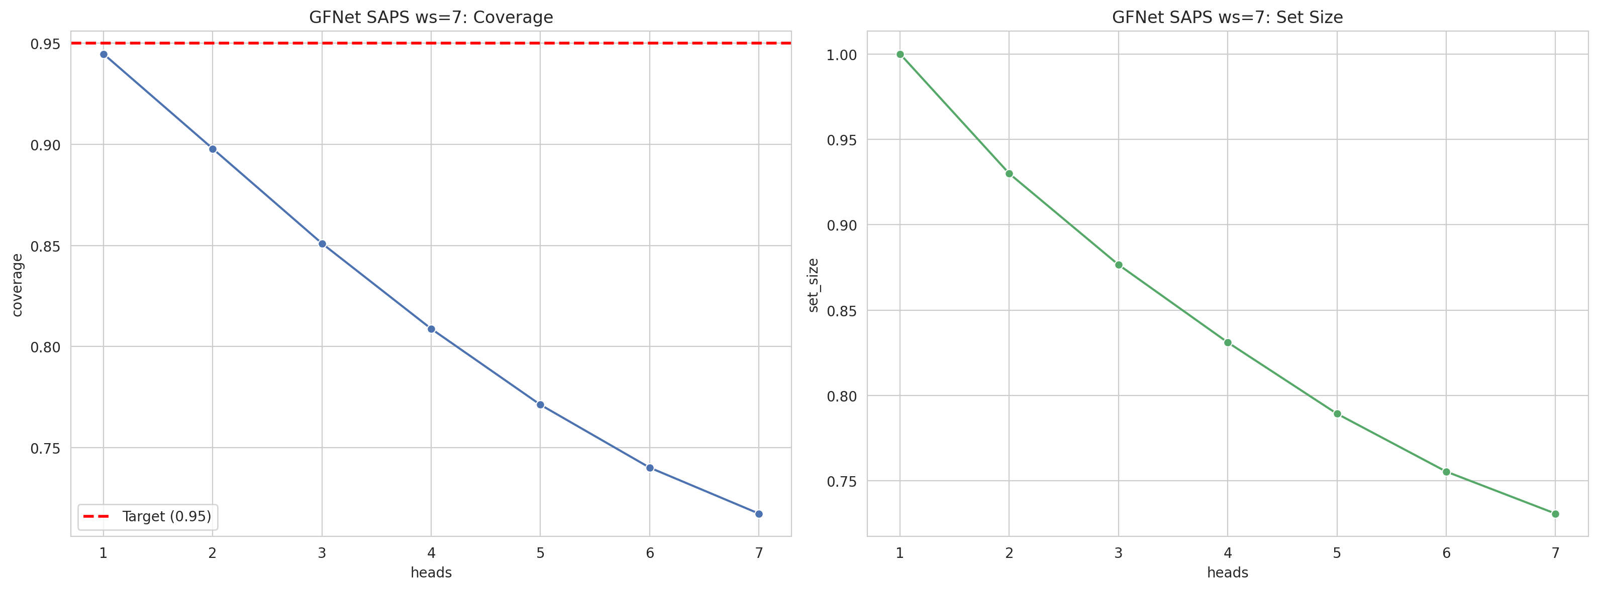
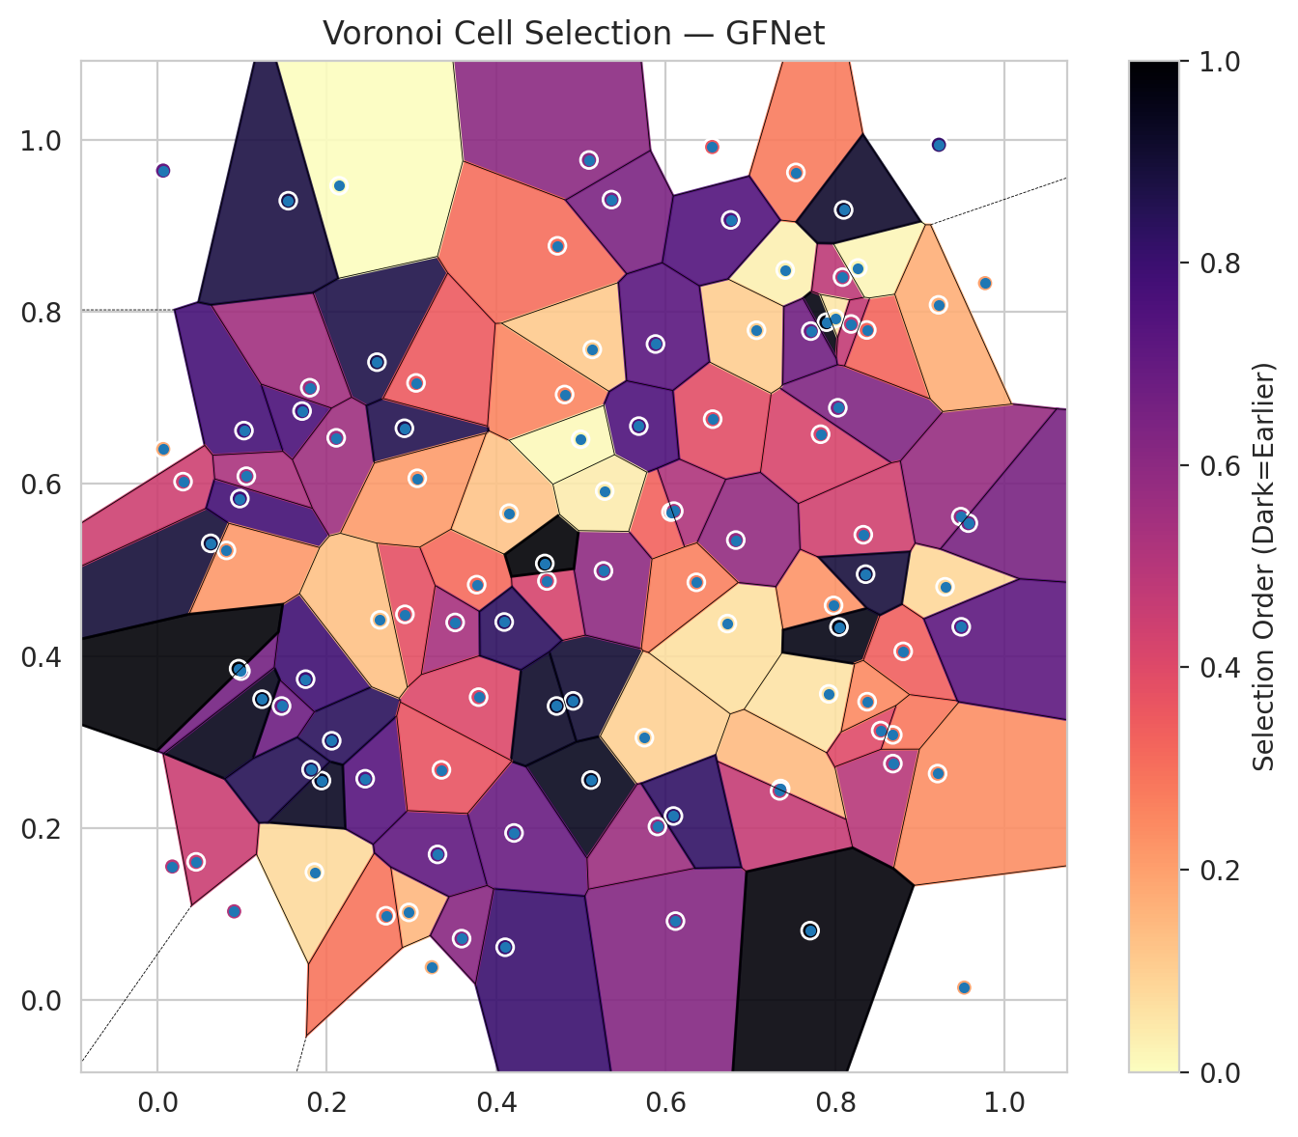
model_key | GFNet_MultiHead
model_name | GFNet
scoring_method | SAPS
window_size | 7
lambda | 0.5
k_iters | 1
empirical_coverage | 0.71740139211
avg_set_size | 0.73085846868
scene_coverage | 0.30372544322
scene_avg_set_size | 1.0227455417
uncertain_pixel_rate | 0.1199388017
mean_per_class_cov | 0.74150633802
runtime_sec | 80.0454005
alpha | 0.05

heads | coverage | set_size |  |  | class_id | class_coverage | support_count | Class | Pixels
1 | 0.94477958237 | 1 |  |  | 0 | 0.70240700219 | 914 | Class 0 | 41640
2 | 0.89791183295 | 0.92993039443 |  |  | 1 | 0.71585903084 | 454 | Class 1 | 16178
3 | 0.85104408353 | 0.87656612529 |  |  | 2 | 0.69553072626 | 358 | Class 2 | 16500
4 | 0.80881670534 | 0.83109048724 |  |  | 3 | 0.8141025641 | 156 | Class 3 | 4922
5 | 0.77122969838 | 0.78932714617 |  |  | 4 | 0.71153846154 | 104 | Class 4 | 4285
6 | 0.74013921114 | 0.75545243619 |  |  | 5 | 0.71287128713 | 101 | Class 5 | 3971
7 | 0.71740139211 | 0.73085846868 |  |  | 6 | 0.83823529412 | 68 | Class 6 | 1663
 |  |  |  |  |  |  |  | Uncertain | 12151

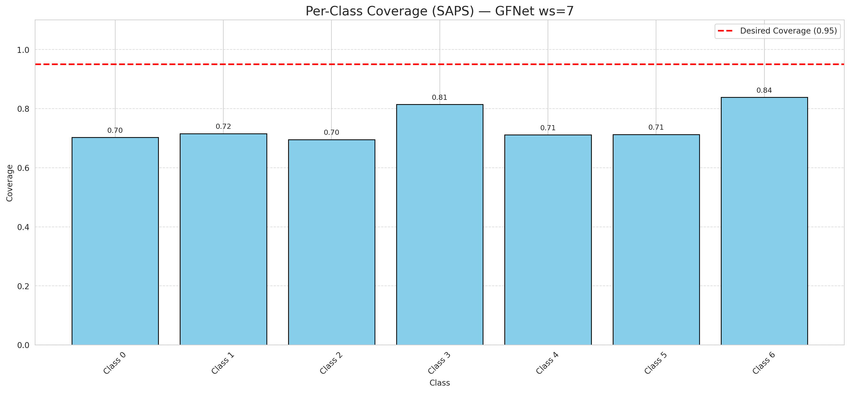

Cell Index | s1 | s2 | Selection_Order | Norm_Order(0-1) | Target
0 | 0.1853 | 0.149 | 8 | 0.075471698113 | 0
1 | 0.0629 | 0.531 | 95 | 0.89622641509 | 0
2 | 0.1749 | 0.3732 | 84 | 0.79245283019 | 0
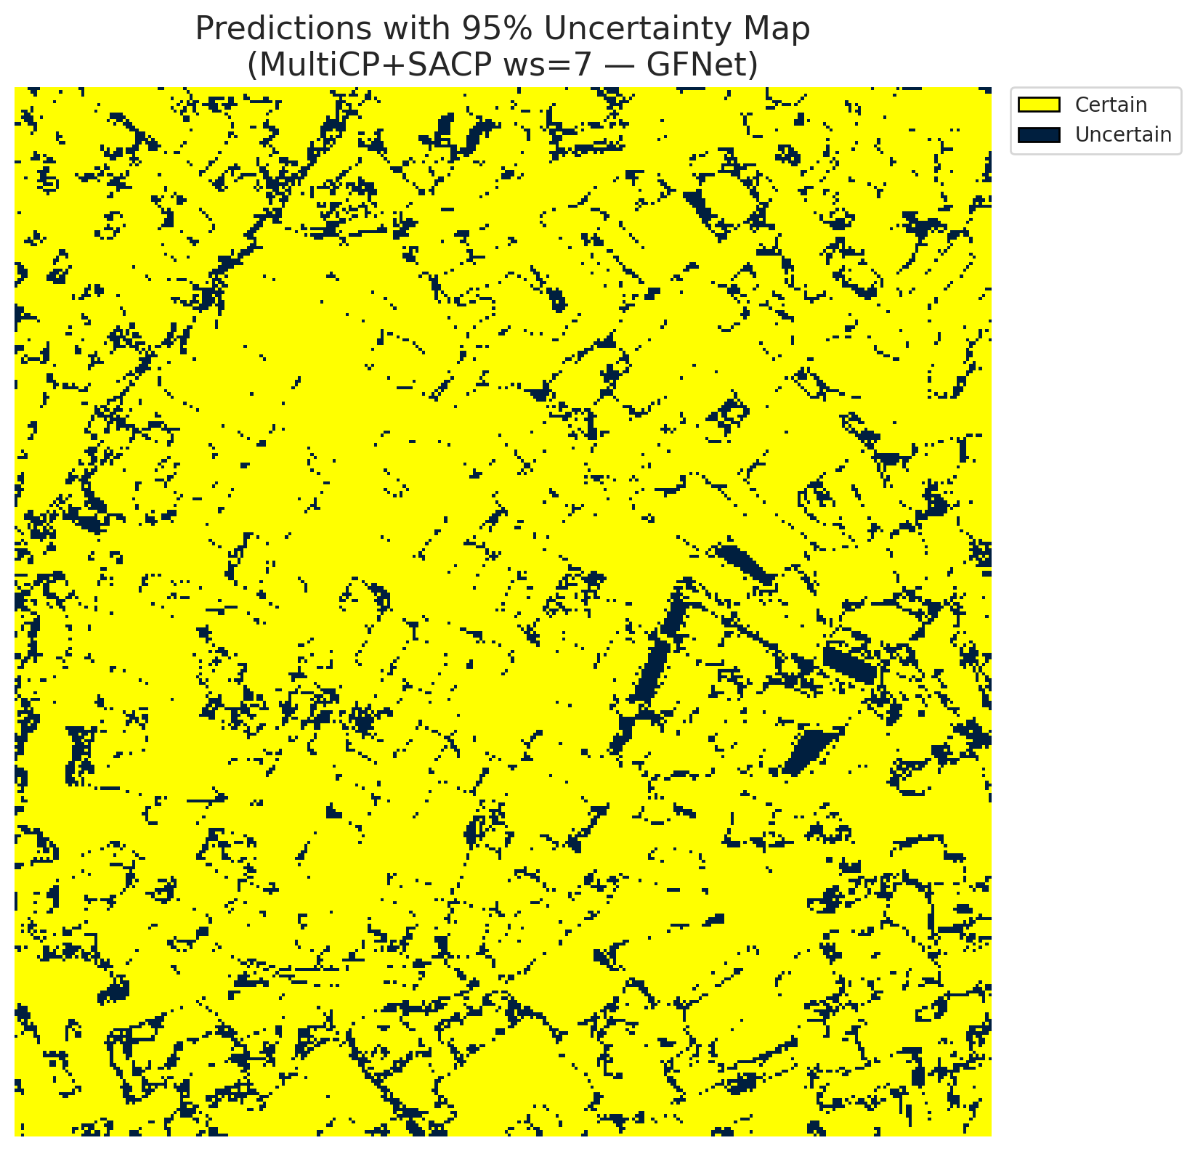
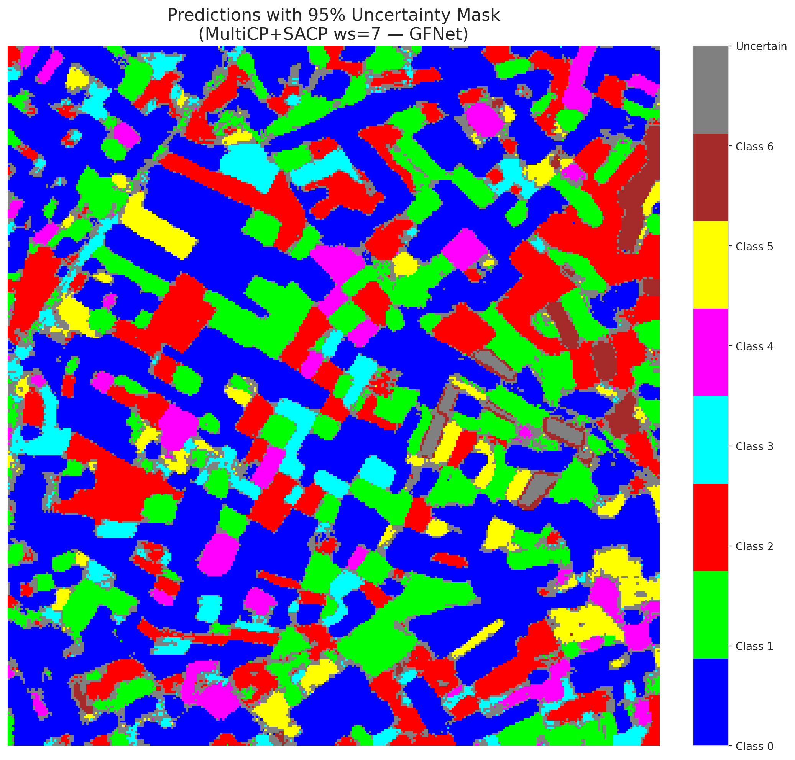
3 | 0.4907 | 0.348 | 96 | 0.90566037736 | 2
4 | 0.3768 | 0.483 | 33 | 0.31132075472 | 6
5 | 0.1707 | 0.6847 | 81 | 0.7641509434 | 2
6 | 0.7924 | 0.3561 | 6 | 0.056603773585 | 0
7 | 0.5117 | 0.256 | 100 | 0.94339622642 | 0
8 | 0.5094 | 0.9764 | 64 | 0.60377358491 | 0
9 | 0.9769 | 0.8333 | 21 | 0.19811320755 | 1
10 | 0.3514 | 0.4391 | 57 | 0.53773584906 | 3
11 | 0.3791 | 0.3523 | 43 | 0.40566037736 | 0
12 | 0.741 | 0.8486 | 3 | 0.028301886792 | 4
13 | 0.6061 | 0.5673 | 35 | 0.33018867925 | 0
14 | 0.4597 | 0.4873 | 45 | 0.42452830189 | 5
15 | 0.0068 | 0.6405 | 19 | 0.17924528302 | 0
16 | 0.7828 | 0.6578 | 44 | 0.41509433962 | 1
17 | 0.1021 | 0.662 | 82 | 0.77358490566 | 0
18 | 0.2452 | 0.2575 | 78 | 0.7358490566 | 2
19 | 0.8681 | 0.2751 | 53 | 0.5 | 3
20 | 0.4151 | 0.5661 | 13 | 0.12264150943 | 0
21 | 0.8031 | 0.6885 | 67 | 0.6320754717 | 4
22 | 0.6554 | 0.6753 | 41 | 0.38679245283 | 0
23 | 0.9297 | 0.4805 | 9 | 0.084905660377 | 0
24 | 0.6728 | 0.4378 | 7 | 0.066037735849 | 1
25 | 0.2591 | 0.7415 | 92 | 0.8679245283 | 2
26 | 0.0456 | 0.1609 | 48 | 0.45283018868 | 4
27 | 0.868 | 0.3085 | 30 | 0.28301886792 | 1
28 | 0.0302 | 0.6027 | 47 | 0.44339622642 | 0
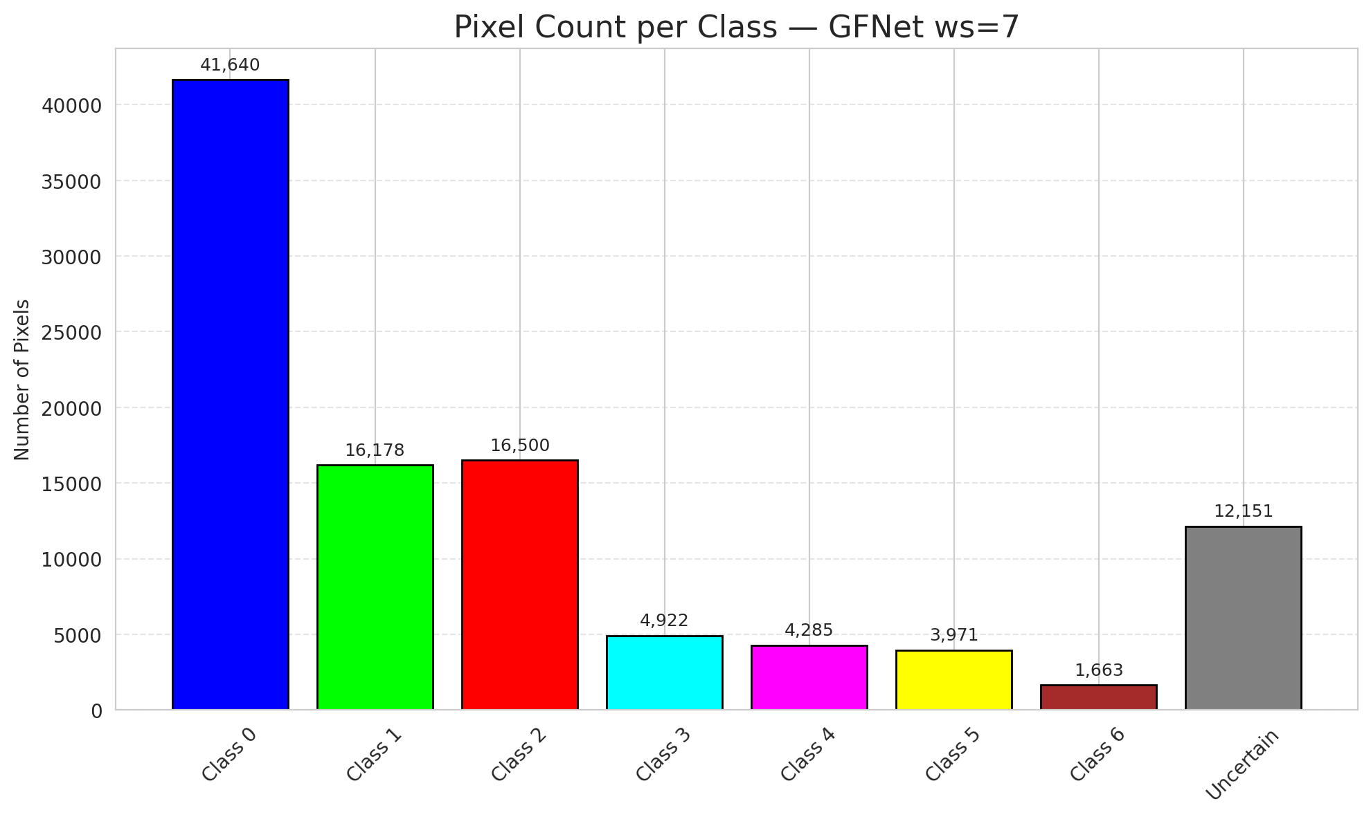
29 | 0.4209 | 0.1945 | 73 | 0.68867924528 | 3
30 | 0.4806 | 0.7039 | 27 | 0.25471698113 | 0
31 | 0.7071 | 0.7786 | 11 | 0.10377358491 | 1
32 | 0.0972 | 0.583 | 83 | 0.78301886792 | 6
33 | 0.6095 | 0.5685 | 55 | 0.51886792453 | 0
34 | 0.9209 | 0.2635 | 25 | 0.2358490566 | 5
35 | 0.7981 | 0.4589 | 24 | 0.22641509434 | 2
36 | 0.8045 | 0.4338 | 102 | 0.96226415094 | 5
37 | 0.0814 | 0.5228 | 23 | 0.21698113208 | 2
38 | 0.8803 | 0.4055 | 36 | 0.33962264151 | 4
39 | 0.211 | 0.6536 | 59 | 0.55660377358 | 1
40 | 0.2968 | 0.1022 | 16 | 0.15094339623 | 0
41 | 0.8332 | 0.541 | 46 | 0.43396226415 | 0
42 | 0.4721 | 0.8767 | 32 | 0.30188679245 | 0
43 | 0.8373 | 0.7789 | 34 | 0.32075471698 | 0
44 | 0.5265 | 0.499 | 63 | 0.59433962264 | 0
45 | 0.6548 | 0.9915 | 38 | 0.35849056604 | 0
46 | 0.7356 | 0.2461 | 15 | 0.14150943396 | 0
47 | 0.6827 | 0.5348 | 62 | 0.58490566038 | 1
48 | 0.9483 | 0.562 | 61 | 0.57547169811 | 0
49 | 0.5133 | 0.7563 | 12 | 0.11320754717 | 2
50 | 0.2057 | 0.3016 | 89 | 0.83962264151 | 0
51 | 0.6115 | 0.0921 | 66 | 0.62264150943 | 0
52 | 0.2697 | 0.0983 | 31 | 0.29245283019 | 6
53 | 0.5682 | 0.6672 | 80 | 0.75471698113 | 3
54 | 0.9523 | 0.0148 | 20 | 0.18867924528 | 0
55 | 0.5748 | 0.3052 | 10 | 0.094339622642 | 6
56 | 0.1936 | 0.2554 | 99 | 0.93396226415 | 2
57 | 0.5902 | 0.202 | 60 | 0.56603773585 | 2
58 | 0.1465 | 0.342 | 72 | 0.67924528302 | 0
59 | 0.6361 | 0.4857 | 28 | 0.2641509434 | 2
60 | 0.9572 | 0.5545 | 69 | 0.65094339623 | 3
61 | 0.5359 | 0.9304 | 68 | 0.64150943396 | 2
62 | 0.4572 | 0.5076 | 106 | 1 | 1
63 | 0.0905 | 0.1034 | 54 | 0.50943396226 | 0
64 | 0.7344 | 0.2434 | 49 | 0.46226415094 | 1
65 | 0.2915 | 0.6647 | 91 | 0.85849056604 | 0
66 | 0.7897 | 0.788 | 103 | 0.97169811321 | 0
67 | 0.9488 | 0.434 | 76 | 0.71698113208 | 2
68 | 0.5279 | 0.5917 | 4 | 0.037735849057 | 0
69 | 0.3052 | 0.7174 | 37 | 0.34905660377 | 0
70 | 0.4104 | 0.0617 | 85 | 0.80188679245 | 1
71 | 0.4711 | 0.342 | 98 | 0.92452830189 | 5
72 | 0.2144 | 0.9465 | 0 | 0 | 2
73 | 0.8086 | 0.8403 | 51 | 0.48113207547 | 0
74 | 0.1235 | 0.3499 | 101 | 0.95283018868 | 2
75 | 0.0067 | 0.9641 | 74 | 0.69811320755 | 5
76 | 0.3306 | 0.1696 | 75 | 0.70754716981 | 1
77 | 0.7998 | 0.7921 | 5 | 0.047169811321 | 3
78 | 0.7536 | 0.962 | 29 | 0.27358490566 | 0
79 | 0.2921 | 0.4485 | 40 | 0.37735849057 | 0
80 | 0.4093 | 0.4396 | 88 | 0.83018867925 | 1
81 | 0.6766 | 0.9068 | 79 | 0.74528301887 | 1
82 | 0.8187 | 0.7859 | 50 | 0.47169811321 | 6
83 | 0.1798 | 0.7118 | 58 | 0.54716981132 | 1
84 | 0.5879 | 0.7626 | 77 | 0.72641509434 | 1
85 | 0.7704 | 0.081 | 104 | 0.98113207547 | 2
86 | 0.359 | 0.0717 | 65 | 0.61320754717 | 0
87 | 0.0985 | 0.3826 | 70 | 0.66037735849 | 0
88 | 0.3067 | 0.6066 | 22 | 0.20754716981 | 0
89 | 0.8268 | 0.851 | 2 | 0.018867924528 | 1
90 | 0.4995 | 0.6519 | 1 | 0.0094339622642 | 2
91 | 0.8537 | 0.3135 | 42 | 0.39622641509 | 0
92 | 0.81 | 0.9184 | 97 | 0.91509433962 | 0
93 | 0.1544 | 0.9291 | 93 | 0.87735849057 | 4
94 | 0.0175 | 0.1555 | 52 | 0.49056603774 | 1
95 | 0.8359 | 0.4952 | 94 | 0.88679245283 | 0
96 | 0.9224 | 0.9941 | 86 | 0.81132075472 | 2
97 | 0.3352 | 0.2678 | 39 | 0.3679245283 | 0
98 | 0.1049 | 0.609 | 56 | 0.52830188679 | 0
99 | 0.8377 | 0.347 | 26 | 0.24528301887 | 1
100 | 0.7712 | 0.7776 | 71 | 0.66981132075 | 3
101 | 0.6091 | 0.2142 | 87 | 0.82075471698 | 3
102 | 0.0958 | 0.3854 | 105 | 0.99056603774 | 6
103 | 0.3238 | 0.0385 | 17 | 0.16037735849 | 0
104 | 0.1813 | 0.2681 | 90 | 0.84905660377 | 4
105 | 0.2626 | 0.4421 | 14 | 0.1320754717 | 1
106 | 0.922 | 0.8081 | 18 | 0.16981132075 | 0

ViT_RAPS_ws7
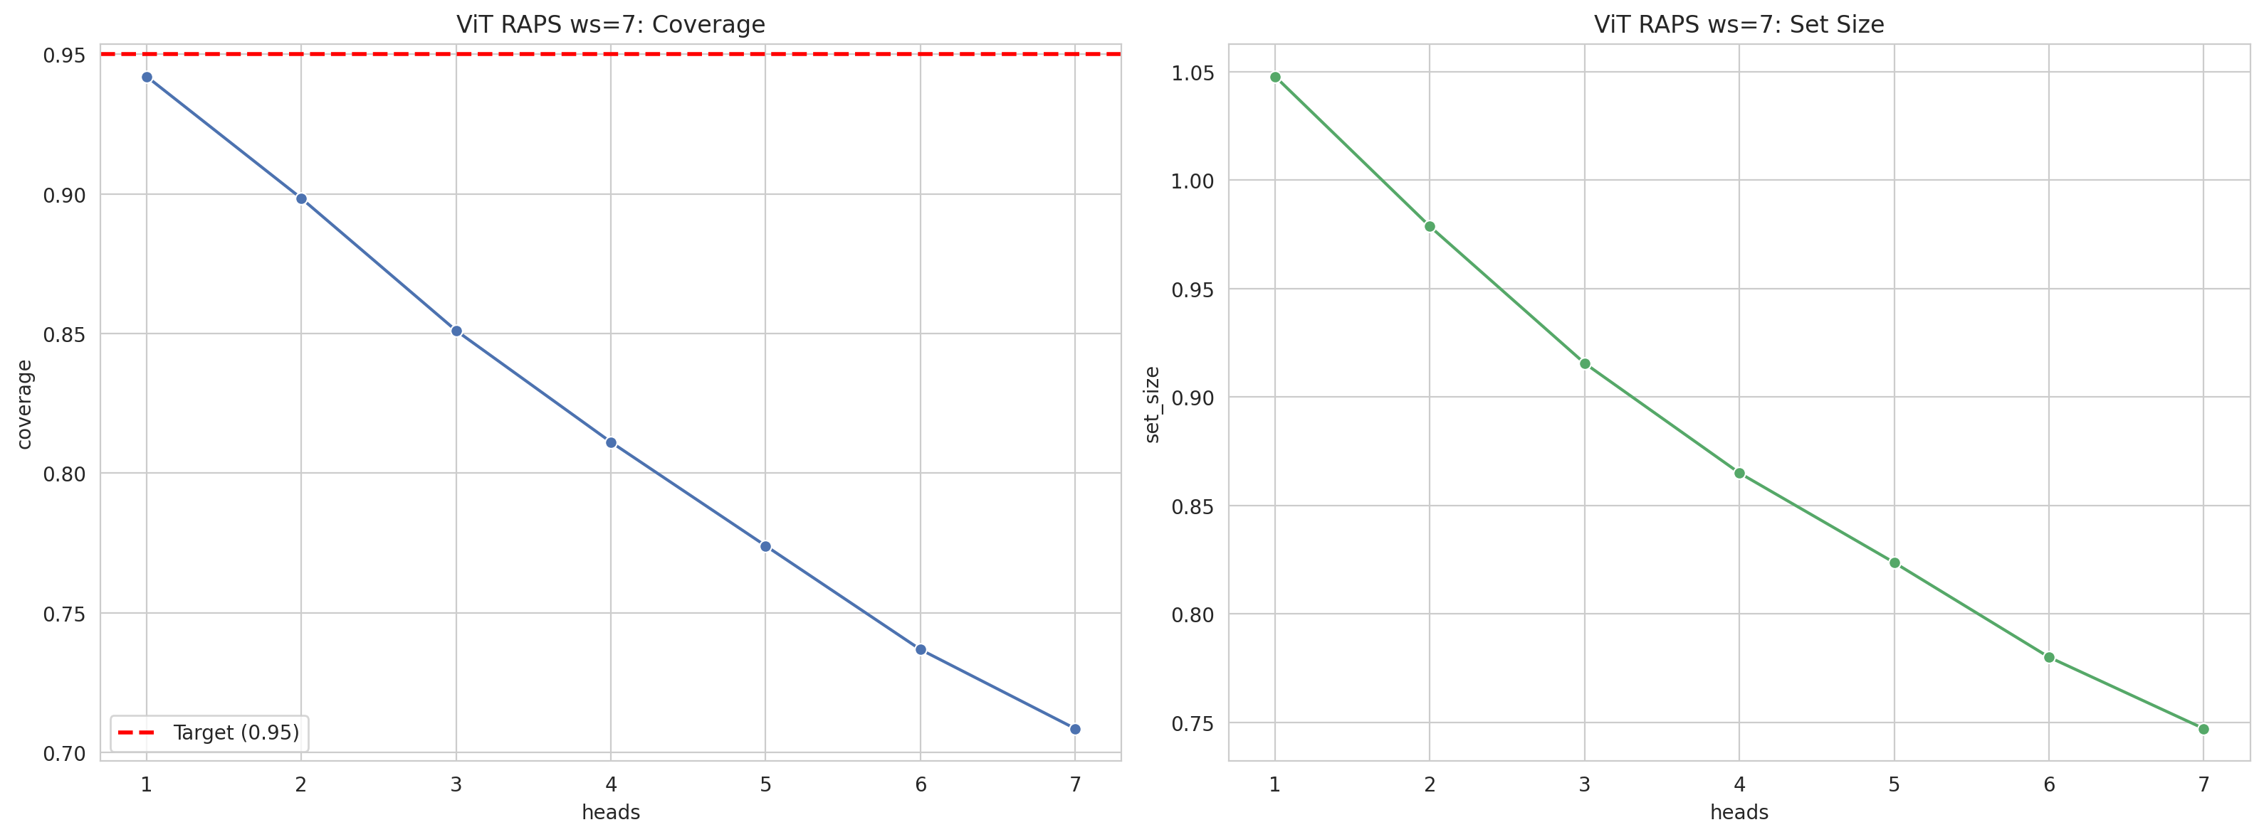
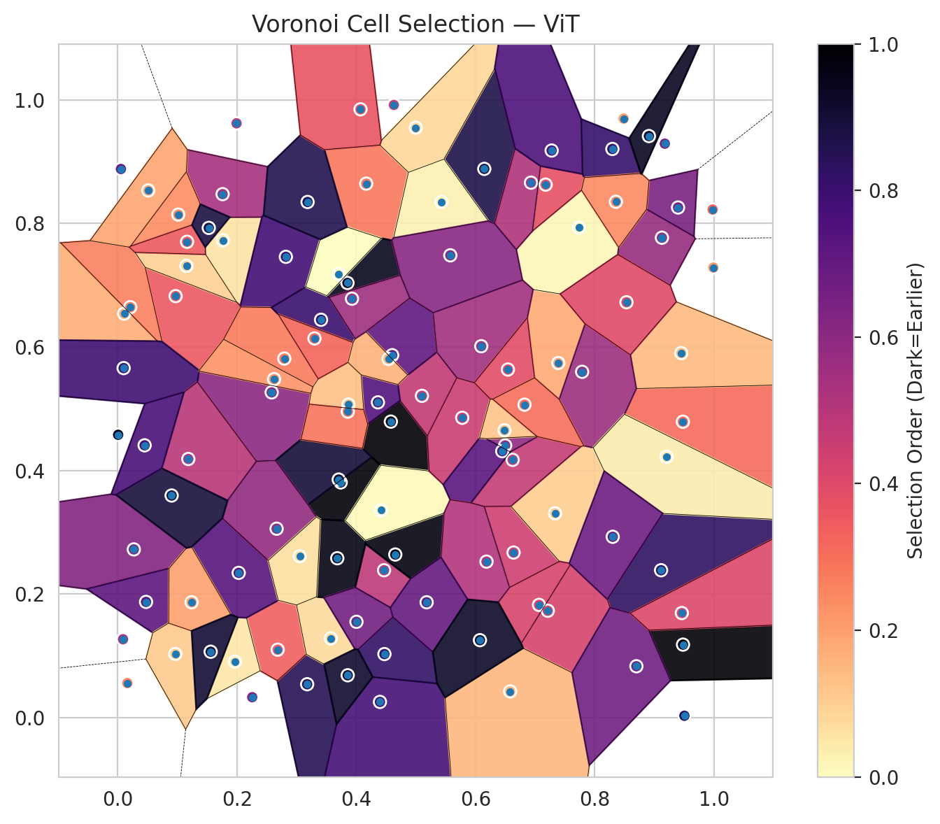
model_key | ViT_UNet_MultiHead
model_name | ViT
scoring_method | RAPS
window_size | 7
lambda | 0.5
k_iters | 1
empirical_coverage | 0.70858468677
avg_set_size | 0.74709976798
scene_coverage | 0.35972688069
scene_avg_set_size | 1.341818254
uncertain_pixel_rate | 0.34146678511
mean_per_class_cov | 0.71206272045
runtime_sec | 77.213876536
alpha | 0.05

heads | coverage | set_size |  |  | class_id | class_coverage | support_count | Class | Pixels
1 | 0.94199535963 | 1.0477958237 |  |  | 0 | 0.6772428884 | 914 | Class 0 | 33106
2 | 0.89837587007 | 0.97865429234 |  |  | 1 | 0.74008810573 | 454 | Class 1 | 11111
3 | 0.85104408353 | 0.91554524362 |  |  | 2 | 0.74301675978 | 358 | Class 2 | 12301
4 | 0.81113689095 | 0.86496519722 |  |  | 3 | 0.76282051282 | 156 | Class 3 | 4110
5 | 0.77401392111 | 0.82366589327 |  |  | 4 | 0.70192307692 | 104 | Class 4 | 2647
6 | 0.73689095128 | 0.78004640371 |  |  | 5 | 0.65346534653 | 101 | Class 5 | 2343
7 | 0.70858468677 | 0.74709976798 |  |  | 6 | 0.70588235294 | 68 | Class 6 | 1098
 |  |  |  |  |  |  |  | Uncertain | 34594

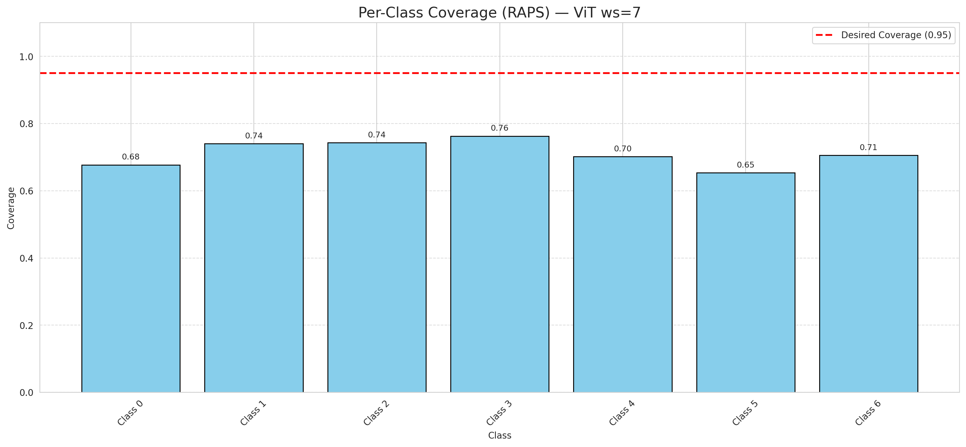

Cell Index | s1 | s2 | Selection_Order | Norm_Order(0-1) | Target
0 | 0.0107 | 0.654 | 18 | 0.16981132075 | 0
1 | 0.9478 | 0.4791 | 33 | 0.31132075472 | 0
2 | 0.1762 | 0.7727 | 6 | 0.056603773585 | 0
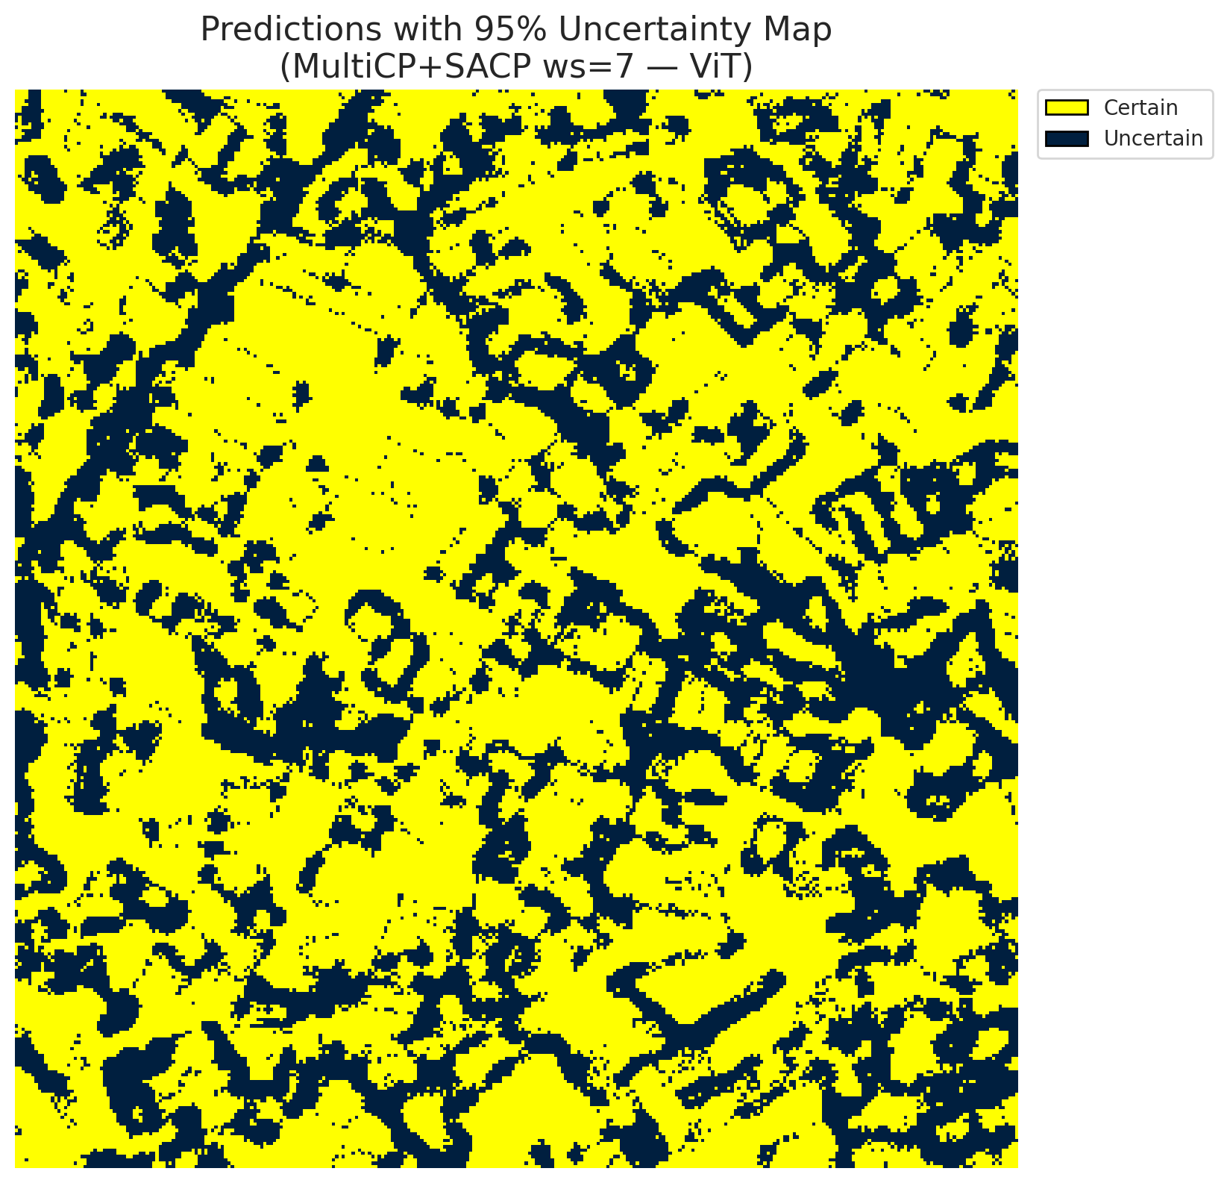
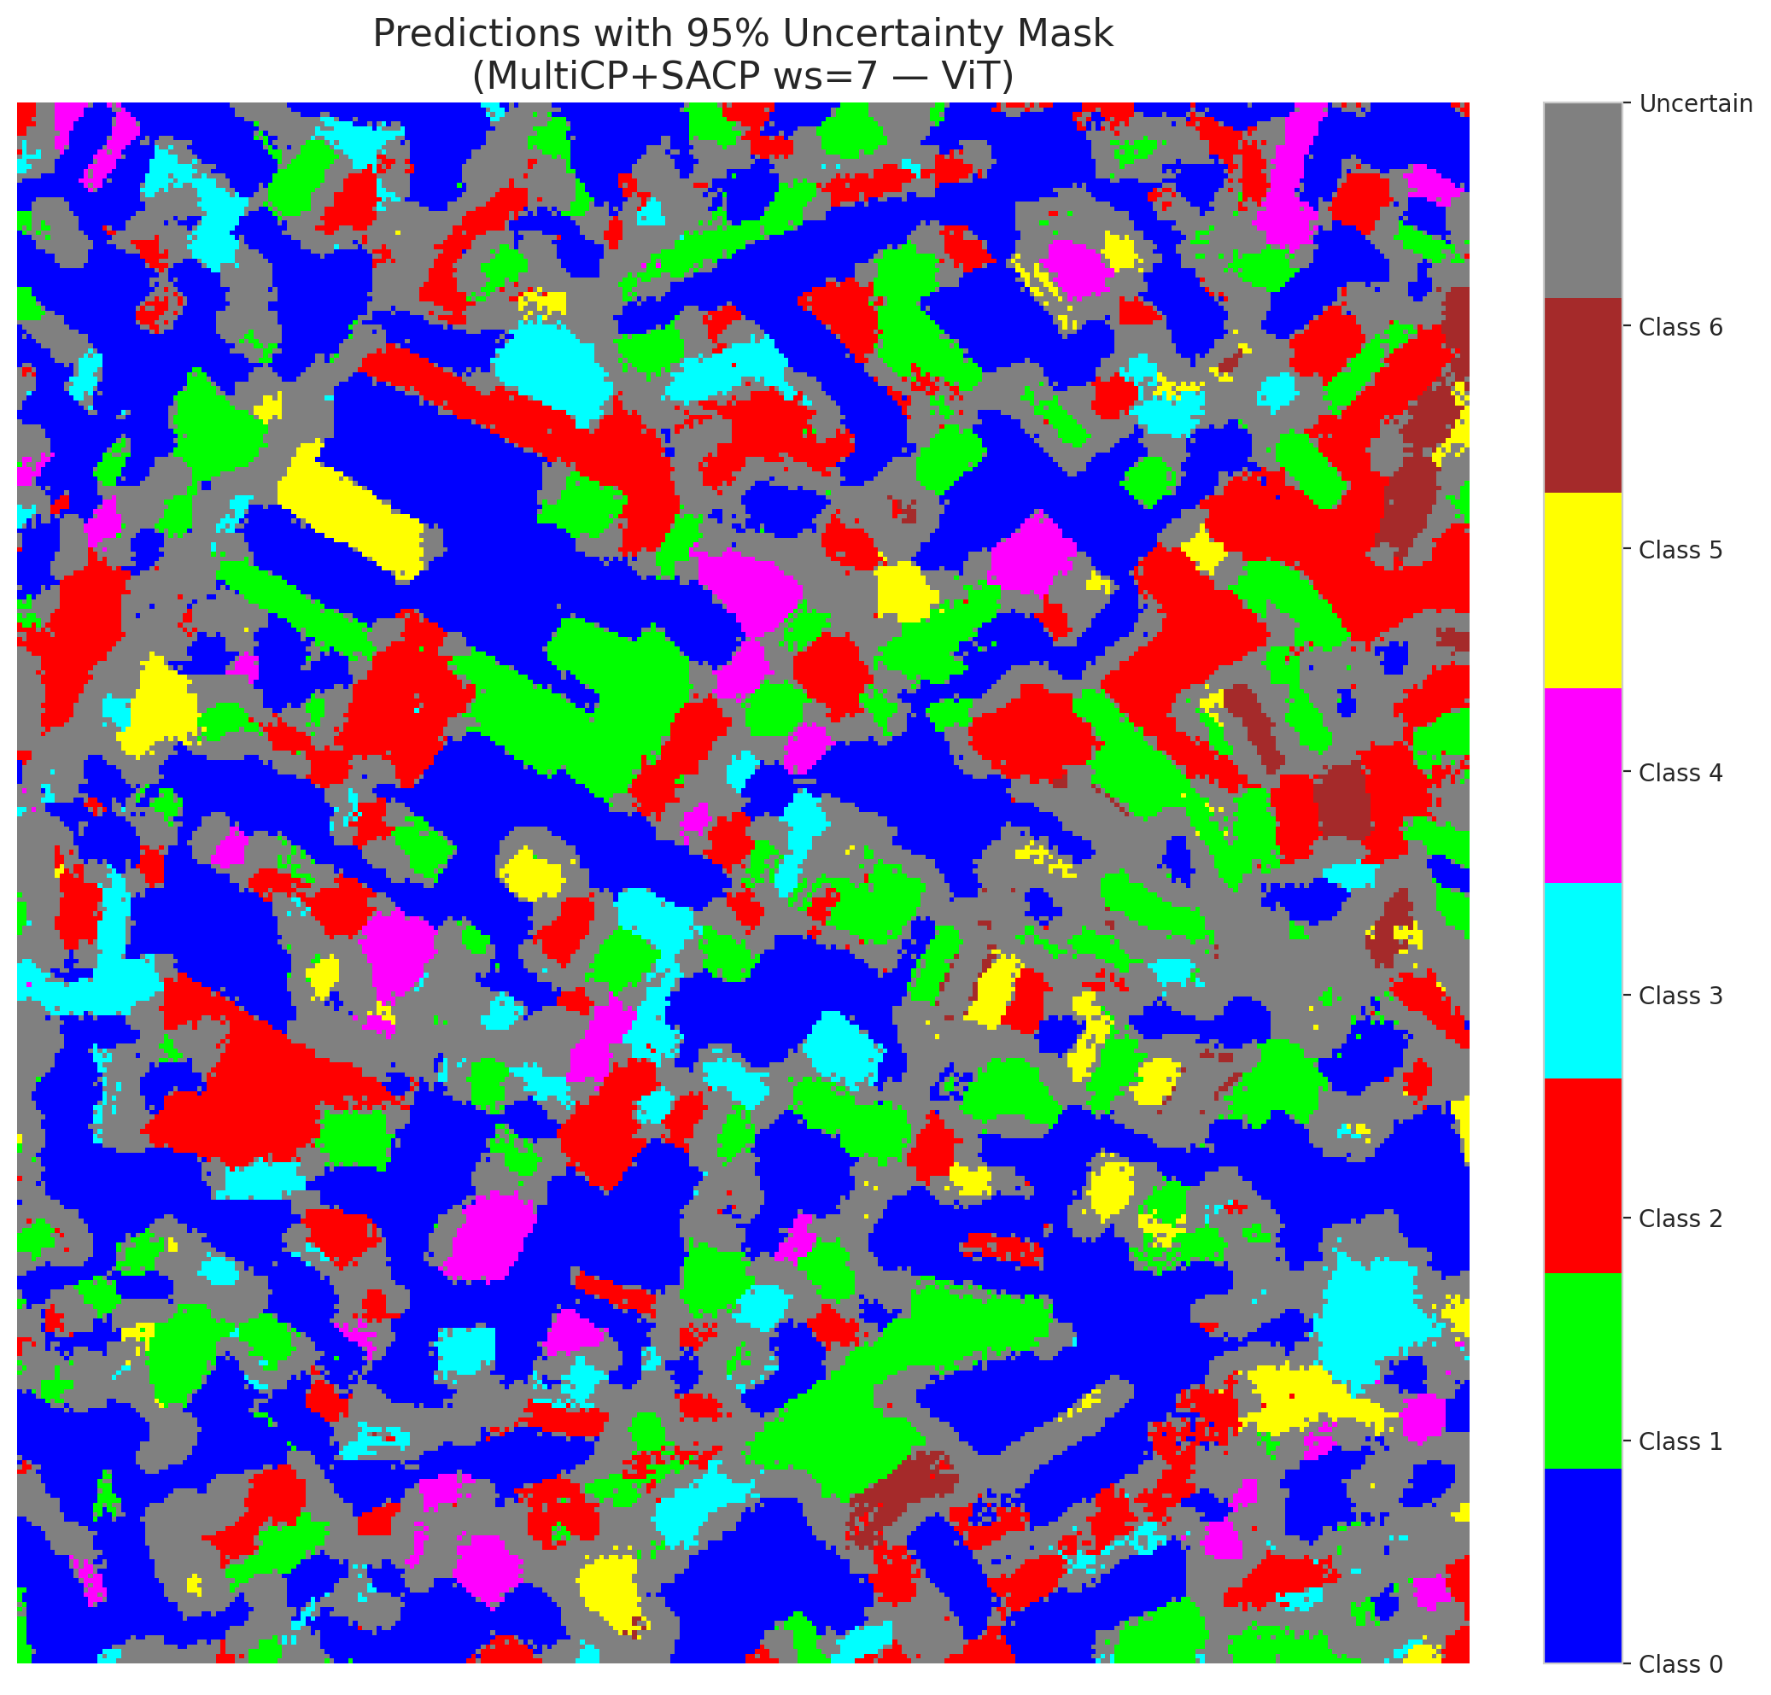
3 | 0.6147 | 0.8883 | 92 | 0.8679245283 | 2
4 | 0.2581 | 0.5266 | 64 | 0.60377358491 | 6
5 | 0.4167 | 0.8644 | 30 | 0.28301886792 | 2
6 | 0.4998 | 0.9549 | 9 | 0.084905660377 | 0
7 | 0.0269 | 0.2725 | 66 | 0.62264150943 | 0
8 | 0.1758 | 0.8474 | 57 | 0.53773584906 | 0
9 | 0.097 | 0.6824 | 38 | 0.35849056604 | 1
10 | 0.0474 | 0.1875 | 76 | 0.71698113208 | 3
11 | 0.6638 | 0.2674 | 47 | 0.44339622642 | 0
12 | 0.948 | 0.1184 | 105 | 0.99056603774 | 4
13 | 0.7389 | 0.5741 | 19 | 0.17924528302 | 0
14 | 0.9112 | 0.2388 | 88 | 0.83018867925 | 5
15 | 0.7334 | 0.3309 | 11 | 0.10377358491 | 0
16 | 0.458 | 0.4793 | 106 | 1 | 1
17 | 0.3739 | 0.3809 | 104 | 0.98113207547 | 0
18 | 0.7734 | 0.7933 | 2 | 0.018867924528 | 2
19 | 0.9451 | 0.5901 | 15 | 0.14150943396 | 3
20 | 0.2819 | 0.746 | 83 | 0.78301886792 | 0
21 | 0.5101 | 0.521 | 50 | 0.47169811321 | 4
22 | 0.3176 | 0.0543 | 90 | 0.84905660377 | 0
23 | 0.7788 | 0.5599 | 60 | 0.56603773585 | 0
24 | 0.4466 | 0.2388 | 51 | 0.48113207547 | 1
25 | 0.4602 | 0.5868 | 75 | 0.70754716981 | 2
26 | 0.7065 | 0.1827 | 44 | 0.41509433962 | 4
27 | 0.4397 | 0.0257 | 82 | 0.77358490566 | 1
28 | 0.2793 | 0.5813 | 29 | 0.27358490566 | 0
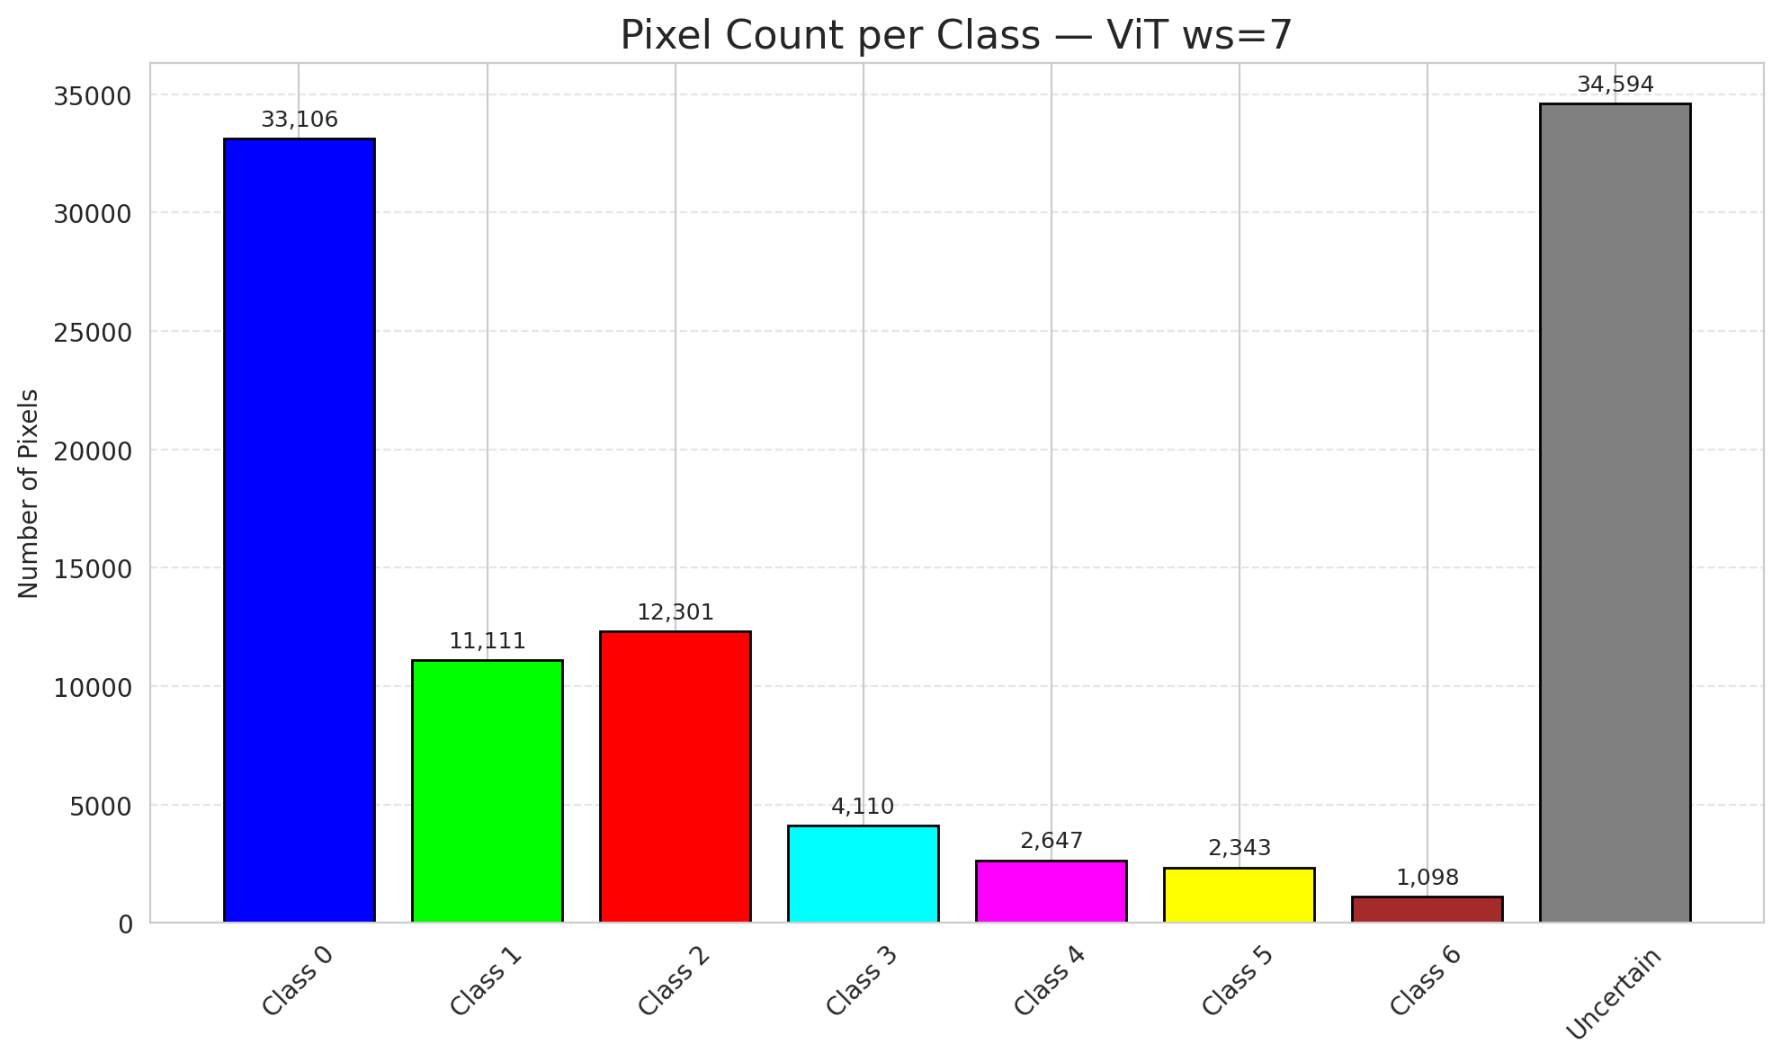
29 | 0.9503 | 0.0033 | 89 | 0.83962264151 | 3
30 | 0.6096 | 0.6013 | 58 | 0.54716981132 | 0
31 | 0.3409 | 0.6441 | 85 | 0.80188679245 | 1
32 | 0.2682 | 0.1102 | 36 | 0.33962264151 | 6
33 | 0.9977 | 0.8225 | 35 | 0.33018867925 | 0
34 | 0.4654 | 0.2642 | 103 | 0.97169811321 | 5
35 | 0.9126 | 0.7769 | 61 | 0.57547169811 | 2
36 | 0.7176 | 0.8628 | 40 | 0.37735849057 | 5
37 | 0.1965 | 0.0908 | 5 | 0.047169811321 | 2
38 | 0.7212 | 0.1732 | 45 | 0.42452830189 | 4
39 | 0.3573 | 0.1284 | 8 | 0.075471698113 | 1
40 | 0.9205 | 0.4223 | 4 | 0.037735849057 | 0
41 | 0.021 | 0.6645 | 28 | 0.2641509434 | 0
42 | 0.3681 | 0.2582 | 102 | 0.96226415094 | 0
43 | 0.0006 | 0.458 | 101 | 0.95283018868 | 0
44 | 0.3852 | 0.7037 | 100 | 0.94339622642 | 0
45 | 0.3705 | 0.7181 | 0 | 0 | 0
46 | 0.6623 | 0.4174 | 49 | 0.46226415094 | 0
47 | 0.0511 | 0.8534 | 20 | 0.18867924528 | 1
48 | 0.1992 | 0.962 | 52 | 0.49056603774 | 0
49 | 0.0098 | 0.5659 | 84 | 0.79245283019 | 2
50 | 0.5428 | 0.8348 | 3 | 0.028301886792 | 0
51 | 0.693 | 0.866 | 55 | 0.51886792453 | 0
52 | 0.4363 | 0.5105 | 79 | 0.74528301887 | 6
53 | 0.0053 | 0.8881 | 73 | 0.68867924528 | 3
54 | 0.8484 | 0.9696 | 22 | 0.20754716981 | 0
55 | 0.3706 | 0.3855 | 95 | 0.89622641509 | 6
56 | 0.3869 | 0.5069 | 14 | 0.1320754717 | 2
57 | 0.9175 | 0.9291 | 68 | 0.64150943396 | 2
58 | 0.7277 | 0.918 | 80 | 0.75471698113 | 0
59 | 0.2028 | 0.2345 | 78 | 0.7358490566 | 2
60 | 0.463 | 0.9918 | 46 | 0.43396226415 | 3
61 | 0.6497 | 0.4407 | 63 | 0.59433962264 | 2
62 | 0.3183 | 0.8347 | 91 | 0.85849056604 | 1
63 | 0.4415 | 0.3359 | 1 | 0.0094339622642 | 0
64 | 0.8295 | 0.9205 | 86 | 0.81132075472 | 1
65 | 0.0965 | 0.1033 | 12 | 0.11320754717 | 0
66 | 0.9397 | 0.8258 | 69 | 0.65094339623 | 0
67 | 0.8301 | 0.2929 | 72 | 0.67924528302 | 2
68 | 0.1238 | 0.1869 | 21 | 0.19811320755 | 0
69 | 0.5777 | 0.4855 | 48 | 0.45283018868 | 0
70 | 0.4472 | 0.1031 | 87 | 0.82075471698 | 1
71 | 0.6581 | 0.0426 | 16 | 0.15094339623 | 5
72 | 0.8698 | 0.0834 | 71 | 0.66981132075 | 2
73 | 0.0088 | 0.1271 | 56 | 0.52830188679 | 0
74 | 0.1151 | 0.7313 | 10 | 0.094339622642 | 2
75 | 0.1015 | 0.8143 | 25 | 0.2358490566 | 5
76 | 0.6448 | 0.4314 | 77 | 0.72641509434 | 1
77 | 0.3299 | 0.6139 | 34 | 0.32075471698 | 3
78 | 0.1183 | 0.4188 | 53 | 0.5 | 0
79 | 0.1162 | 0.7703 | 37 | 0.34905660377 | 0
80 | 0.4003 | 0.1553 | 70 | 0.66037735849 | 1
81 | 0.2664 | 0.306 | 62 | 0.58490566038 | 1
82 | 0.3856 | 0.0688 | 97 | 0.91509433962 | 6
83 | 0.4071 | 0.9847 | 39 | 0.3679245283 | 1
84 | 0.0903 | 0.3597 | 94 | 0.88679245283 | 1
85 | 0.8532 | 0.6725 | 42 | 0.39622641509 | 2
86 | 0.6486 | 0.4653 | 13 | 0.12264150943 | 0
87 | 0.946 | 0.1695 | 43 | 0.40566037736 | 0
88 | 0.3858 | 0.4955 | 31 | 0.29245283019 | 0
89 | 0.6543 | 0.5636 | 41 | 0.38679245283 | 1
90 | 0.9989 | 0.7286 | 23 | 0.21698113208 | 2
91 | 0.2622 | 0.548 | 24 | 0.22641509434 | 0
92 | 0.8355 | 0.8351 | 26 | 0.24528301887 | 0
93 | 0.045 | 0.4409 | 81 | 0.7641509434 | 4
94 | 0.6184 | 0.2527 | 54 | 0.50943396226 | 1
95 | 0.3052 | 0.2614 | 7 | 0.066037735849 | 0
96 | 0.2255 | 0.0333 | 67 | 0.6320754717 | 2
97 | 0.518 | 0.1869 | 74 | 0.69811320755 | 0
98 | 0.016 | 0.0561 | 27 | 0.25471698113 | 0
99 | 0.1558 | 0.1069 | 96 | 0.90566037736 | 1
100 | 0.6822 | 0.5067 | 32 | 0.30188679245 | 3
101 | 0.4541 | 0.5807 | 17 | 0.16037735849 | 3
102 | 0.6074 | 0.1256 | 98 | 0.92452830189 | 6
103 | 0.3928 | 0.6782 | 59 | 0.55660377358 | 0
104 | 0.1526 | 0.7928 | 93 | 0.87735849057 | 4
105 | 0.5577 | 0.7484 | 65 | 0.61320754717 | 1
106 | 0.8908 | 0.9414 | 99 | 0.93396226415 | 0

ViT_SAPS_ws7
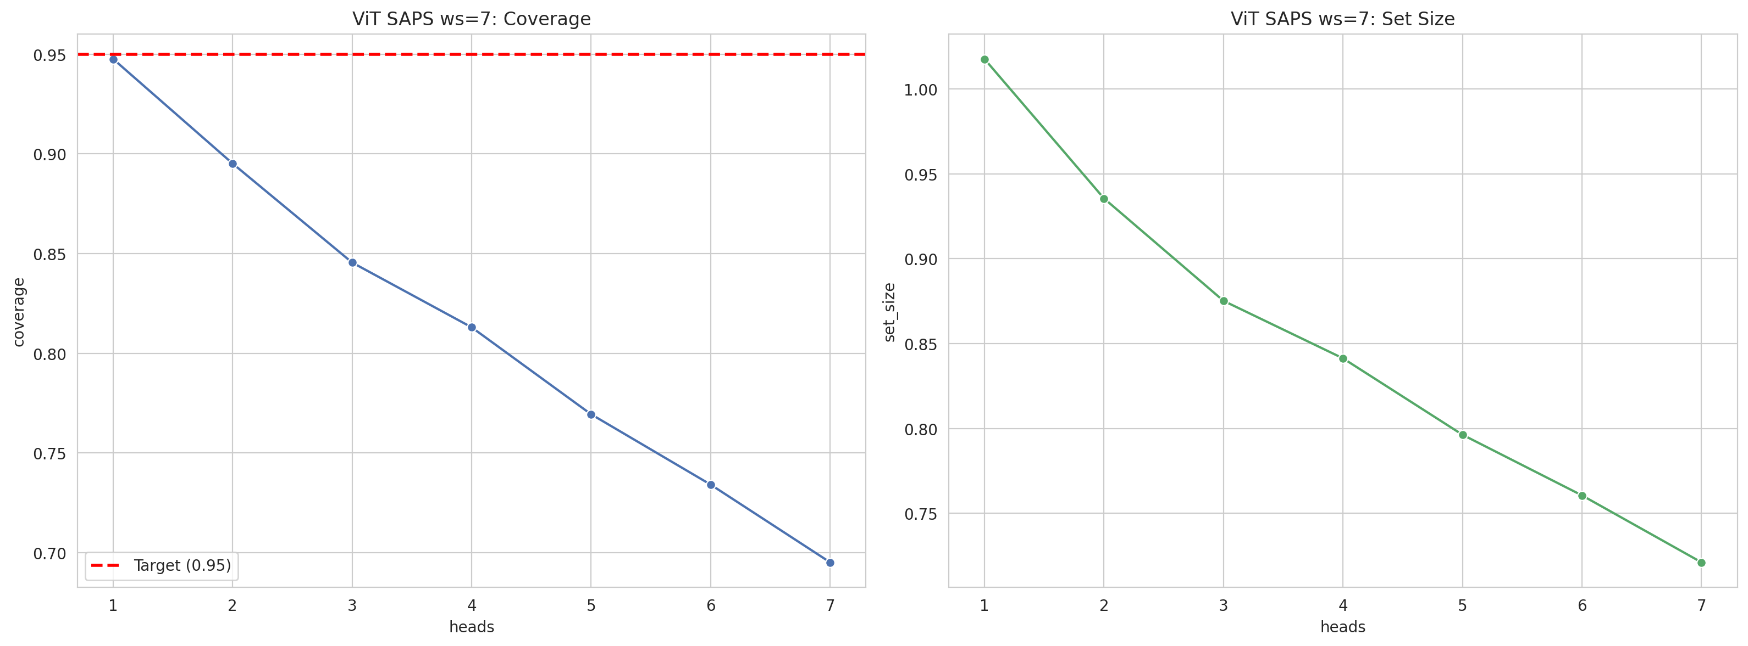
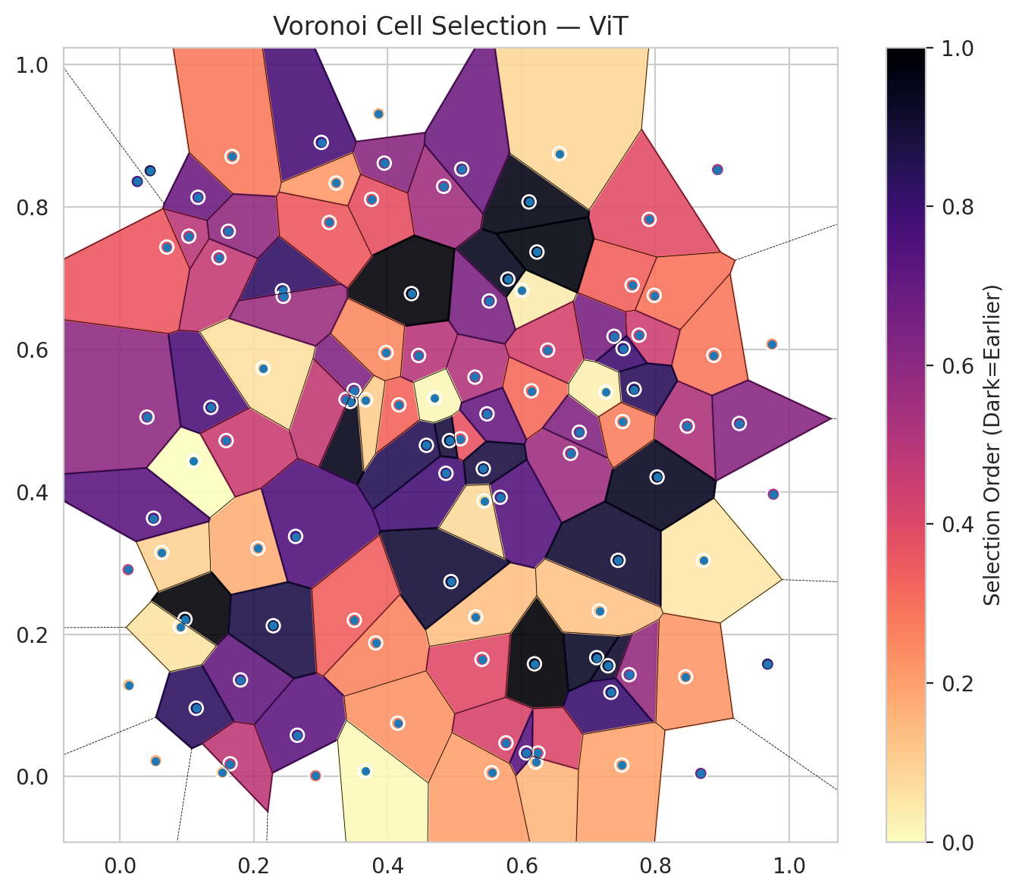
model_key | ViT_UNet_MultiHead
model_name | ViT
scoring_method | SAPS
window_size | 7
lambda | 0.5
k_iters | 1
empirical_coverage | 0.69512761021
avg_set_size | 0.7211136891
scene_coverage | 0.30186871107
scene_avg_set_size | 1.059017337
uncertain_pixel_rate | 0.15654920541
mean_per_class_cov | 0.7052008573
runtime_sec | 77.699531293
alpha | 0.05

heads | coverage | set_size |  |  | class_id | class_coverage | support_count | Class | Pixels
1 | 0.9475638051 | 1.0176334107 |  |  | 0 | 0.67396061269 | 914 | Class 0 | 38793
2 | 0.89512761021 | 0.93549883991 |  |  | 1 | 0.70044052863 | 454 | Class 1 | 14812
3 | 0.84547563805 | 0.87517401392 |  |  | 2 | 0.71508379888 | 358 | Class 2 | 16092
4 | 0.81299303944 | 0.84129930394 |  |  | 3 | 0.76923076923 | 156 | Class 3 | 6453
5 | 0.76937354988 | 0.79628770302 |  |  | 4 | 0.64423076923 | 104 | Class 4 | 3567
6 | 0.73410672854 | 0.76055684455 |  |  | 5 | 0.71287128713 | 101 | Class 5 | 4115
7 | 0.69512761021 | 0.7211136891 |  |  | 6 | 0.72058823529 | 68 | Class 6 | 1618
 |  |  |  |  |  |  |  | Uncertain | 15860

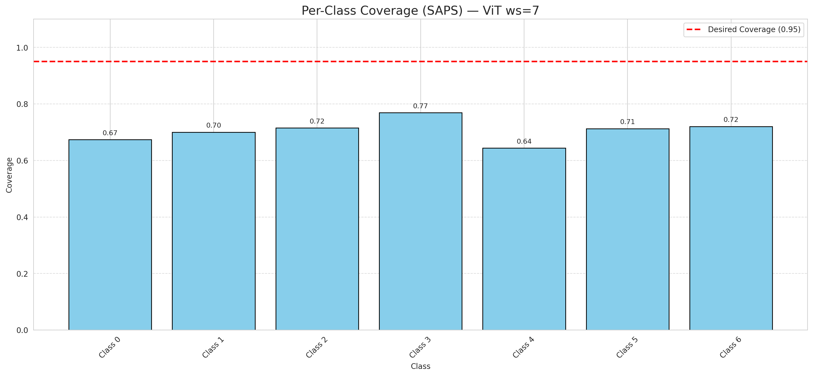

Cell Index | s1 | s2 | Selection_Order | Norm_Order(0-1) | Target
0 | 0.7906 | 0.7826 | 41 | 0.38679245283 | 0
1 | 0.1167 | 0.8136 | 72 | 0.67924528302 | 0
2 | 0.2062 | 0.3204 | 18 | 0.16981132075 | 0
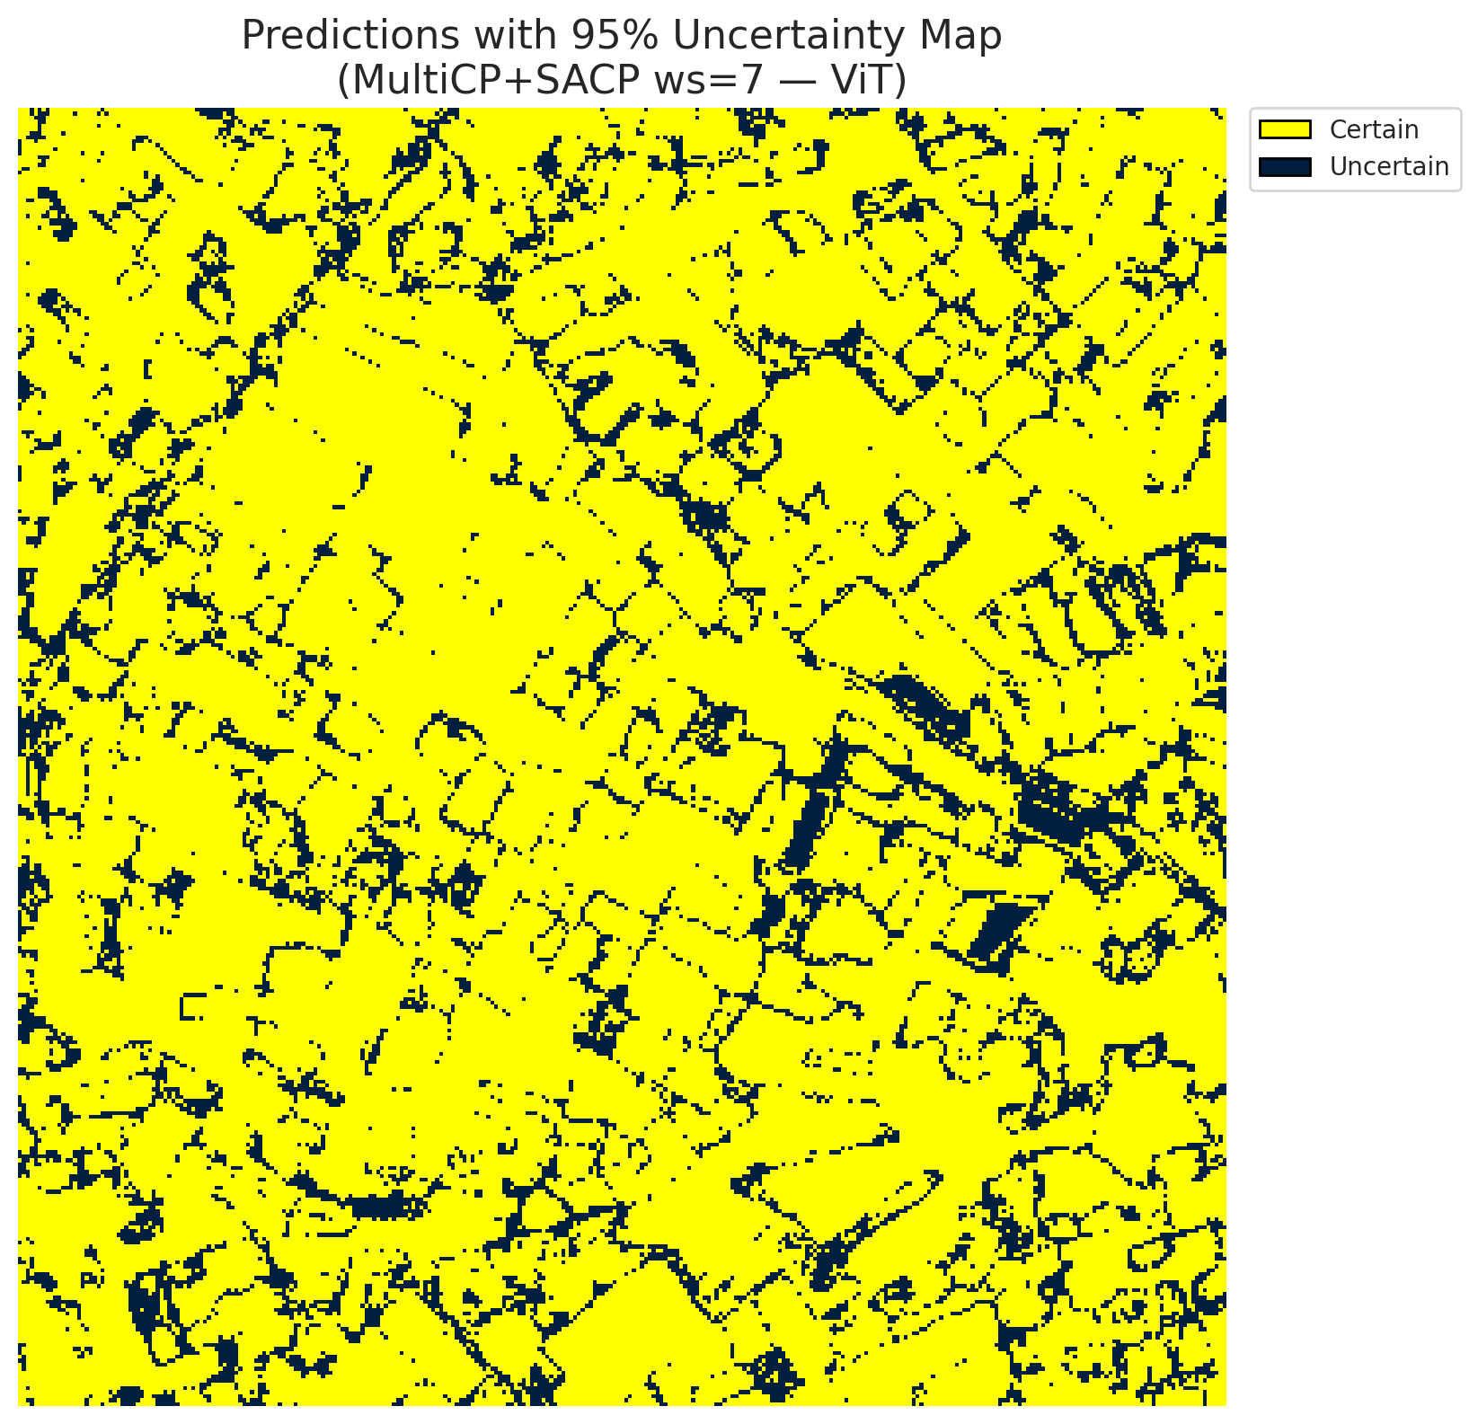
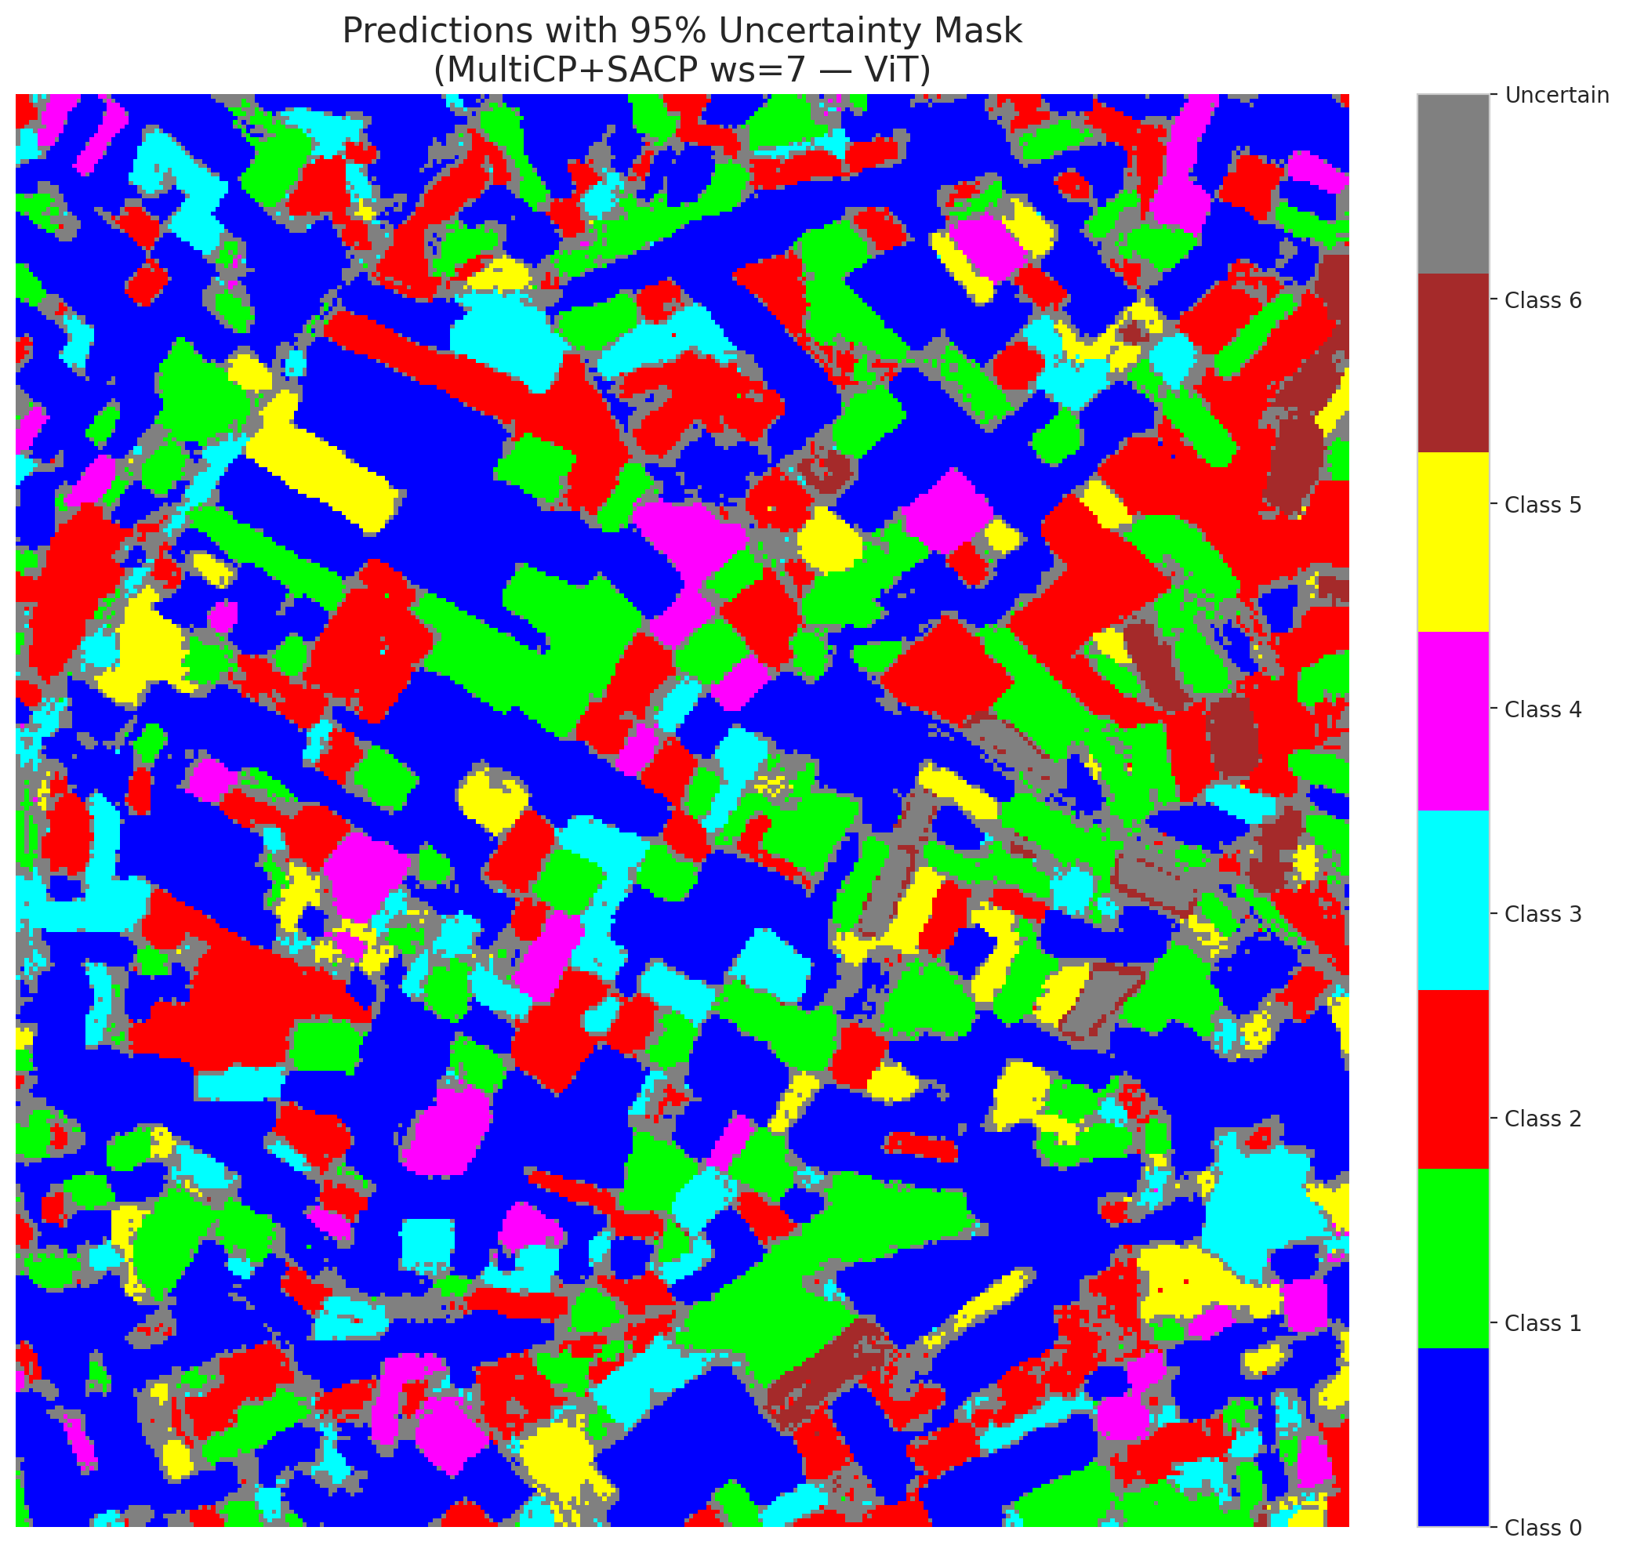
3 | 0.1102 | 0.4432 | 0 | 0 | 2
4 | 0.7382 | 0.6183 | 69 | 0.65094339623 | 6
5 | 0.8872 | 0.5916 | 30 | 0.28301886792 | 2
6 | 0.4871 | 0.4259 | 82 | 0.77358490566 | 0
7 | 0.0405 | 0.5049 | 63 | 0.59433962264 | 0
8 | 0.0973 | 0.2209 | 105 | 0.99056603774 | 0
9 | 0.3866 | 0.931 | 17 | 0.16037735849 | 1
10 | 0.6005 | 0.6829 | 4 | 0.037735849057 | 3
11 | 0.3822 | 0.1877 | 27 | 0.25471698113 | 0
12 | 0.729 | 0.1556 | 97 | 0.91509433962 | 4
13 | 0.6193 | 0.1583 | 106 | 1 | 0
14 | 0.2651 | 0.058 | 75 | 0.70754716981 | 5
15 | 0.5409 | 0.1646 | 42 | 0.39622641509 | 0
16 | 0.8475 | 0.4922 | 55 | 0.51886792453 | 1
17 | 0.3496 | 0.5424 | 67 | 0.6320754717 | 0
18 | 0.6112 | 0.8071 | 102 | 0.96226415094 | 2
19 | 0.1802 | 0.1357 | 74 | 0.69811320755 | 3
20 | 0.013 | 0.1286 | 15 | 0.14150943396 | 0
21 | 0.3009 | 0.8907 | 81 | 0.7641509434 | 4
22 | 0.7607 | 0.143 | 61 | 0.57547169811 | 0
23 | 0.103 | 0.759 | 52 | 0.49056603774 | 0
24 | 0.395 | 0.8616 | 64 | 0.60377358491 | 1
25 | 0.4579 | 0.4652 | 90 | 0.84905660377 | 2
26 | 0.136 | 0.5185 | 80 | 0.75471698113 | 4
27 | 0.8928 | 0.8525 | 57 | 0.53773584906 | 1
28 | 0.2429 | 0.6824 | 87 | 0.82075471698 | 0

29 | 0.9675 | 0.1579 | 86 | 0.81132075472 | 3
30 | 0.5305 | 0.561 | 54 | 0.50943396226 | 0
31 | 0.3441 | 0.5269 | 101 | 0.95283018868 | 1
32 | 0.8716 | 0.3035 | 5 | 0.047169811321 | 6
33 | 0.6733 | 0.4539 | 59 | 0.55660377358 | 0
34 | 0.4151 | 0.075 | 24 | 0.22641509434 | 5
35 | 0.0453 | 0.8509 | 91 | 0.85849056604 | 2
36 | 0.1141 | 0.0959 | 88 | 0.83018867925 | 5
37 | 0.1528 | 0.0057 | 12 | 0.11320754717 | 2
38 | 0.5795 | 0.6987 | 100 | 0.94339622642 | 4
39 | 0.0702 | 0.7437 | 38 | 0.35849056604 | 1
40 | 0.7335 | 0.1183 | 85 | 0.80188679245 | 0
41 | 0.7982 | 0.6758 | 31 | 0.29245283019 | 0
42 | 0.6147 | 0.5418 | 33 | 0.31132075472 | 0
43 | 0.4837 | 0.829 | 58 | 0.54716981132 | 0
44 | 0.5316 | 0.2241 | 14 | 0.1320754717 | 0
45 | 0.4168 | 0.522 | 34 | 0.32075471698 | 0
46 | 0.0627 | 0.3147 | 10 | 0.094339622642 | 0
47 | 0.5682 | 0.3923 | 78 | 0.7358490566 | 1
48 | 0.2923 | 0.0012 | 32 | 0.30188679245 | 0
49 | 0.5088 | 0.4744 | 39 | 0.3679245283 | 2
50 | 0.6567 | 0.8749 | 9 | 0.084905660377 | 0
51 | 0.5768 | 0.0473 | 44 | 0.41509433962 | 0
52 | 0.0536 | 0.0222 | 19 | 0.17924528302 | 6
53 | 0.2625 | 0.3373 | 79 | 0.74528301887 | 3
54 | 0.0123 | 0.2906 | 46 | 0.43396226415 | 0
55 | 0.4923 | 0.4719 | 94 | 0.88679245283 | 6
56 | 0.1479 | 0.7288 | 49 | 0.46226415094 | 2
57 | 0.5107 | 0.8532 | 71 | 0.66981132075 | 2
58 | 0.1676 | 0.8709 | 29 | 0.27358490566 | 0
59 | 0.6862 | 0.4836 | 66 | 0.62264150943 | 2
60 | 0.4462 | 0.5914 | 53 | 0.5 | 3
61 | 0.7755 | 0.62 | 47 | 0.44339622642 | 2
62 | 0.6212 | 0.0204 | 16 | 0.15094339623 | 1
63 | 0.7442 | 0.3037 | 96 | 0.90566037736 | 0
64 | 0.8451 | 0.1401 | 23 | 0.21698113208 | 1
65 | 0.3379 | 0.5298 | 50 | 0.47169811321 | 0
66 | 0.3231 | 0.8336 | 22 | 0.20754716981 | 0
67 | 0.7652 | 0.6902 | 35 | 0.33018867925 | 2
68 | 0.3671 | 0.529 | 11 | 0.10377358491 | 0
69 | 0.639 | 0.599 | 45 | 0.42452830189 | 0
70 | 0.6245 | 0.0329 | 43 | 0.40566037736 | 1
71 | 0.376 | 0.8107 | 40 | 0.37735849057 | 5
72 | 0.7517 | 0.6011 | 84 | 0.79245283019 | 2
73 | 0.1647 | 0.0179 | 51 | 0.48113207547 | 0
74 | 0.9761 | 0.3965 | 56 | 0.52830188679 | 2
75 | 0.6074 | 0.0331 | 77 | 0.72641509434 | 5
76 | 0.2292 | 0.2118 | 92 | 0.8679245283 | 1
77 | 0.7123 | 0.167 | 98 | 0.92452830189 | 3
78 | 0.0905 | 0.2103 | 6 | 0.056603773585 | 0
79 | 0.5555 | 0.0054 | 21 | 0.19811320755 | 0
80 | 0.0503 | 0.3628 | 76 | 0.71698113208 | 1
81 | 0.4704 | 0.5314 | 2 | 0.018867924528 | 1
82 | 0.162 | 0.7659 | 62 | 0.58490566038 | 6
83 | 0.4946 | 0.2738 | 95 | 0.89622641509 | 1
84 | 0.9741 | 0.6073 | 25 | 0.2358490566 | 1
85 | 0.3503 | 0.2196 | 36 | 0.33962264151 | 2
86 | 0.7163 | 0.2326 | 13 | 0.12264150943 | 0
87 | 0.1588 | 0.4719 | 48 | 0.45283018868 | 0
88 | 0.0261 | 0.8358 | 83 | 0.78301886792 | 0
89 | 0.2138 | 0.5735 | 7 | 0.066037735849 | 1
90 | 0.5484 | 0.5094 | 73 | 0.68867924528 | 2
91 | 0.5517 | 0.668 | 68 | 0.64150943396 | 0
92 | 0.5429 | 0.4322 | 93 | 0.87735849057 | 0
93 | 0.3665 | 0.0077 | 1 | 0.0094339622642 | 4
94 | 0.4356 | 0.6783 | 104 | 0.98113207547 | 1
95 | 0.8025 | 0.4207 | 99 | 0.93396226415 | 0
96 | 0.7682 | 0.5439 | 89 | 0.83962264151 | 2
97 | 0.726 | 0.5399 | 3 | 0.028301886792 | 0
98 | 0.7497 | 0.0161 | 20 | 0.18867924528 | 0
99 | 0.3127 | 0.7782 | 37 | 0.34905660377 | 1
100 | 0.3977 | 0.5956 | 26 | 0.24528301887 | 3
101 | 0.623 | 0.7367 | 103 | 0.97169811321 | 3
102 | 0.2441 | 0.6745 | 60 | 0.56603773585 | 6
103 | 0.5441 | 0.387 | 8 | 0.075471698113 | 0
104 | 0.8677 | 0.0044 | 70 | 0.66037735849 | 4
105 | 0.751 | 0.4986 | 28 | 0.2641509434 | 1
106 | 0.9254 | 0.4959 | 65 | 0.61320754717 | 0

