AlexNet_RAPS_ws9
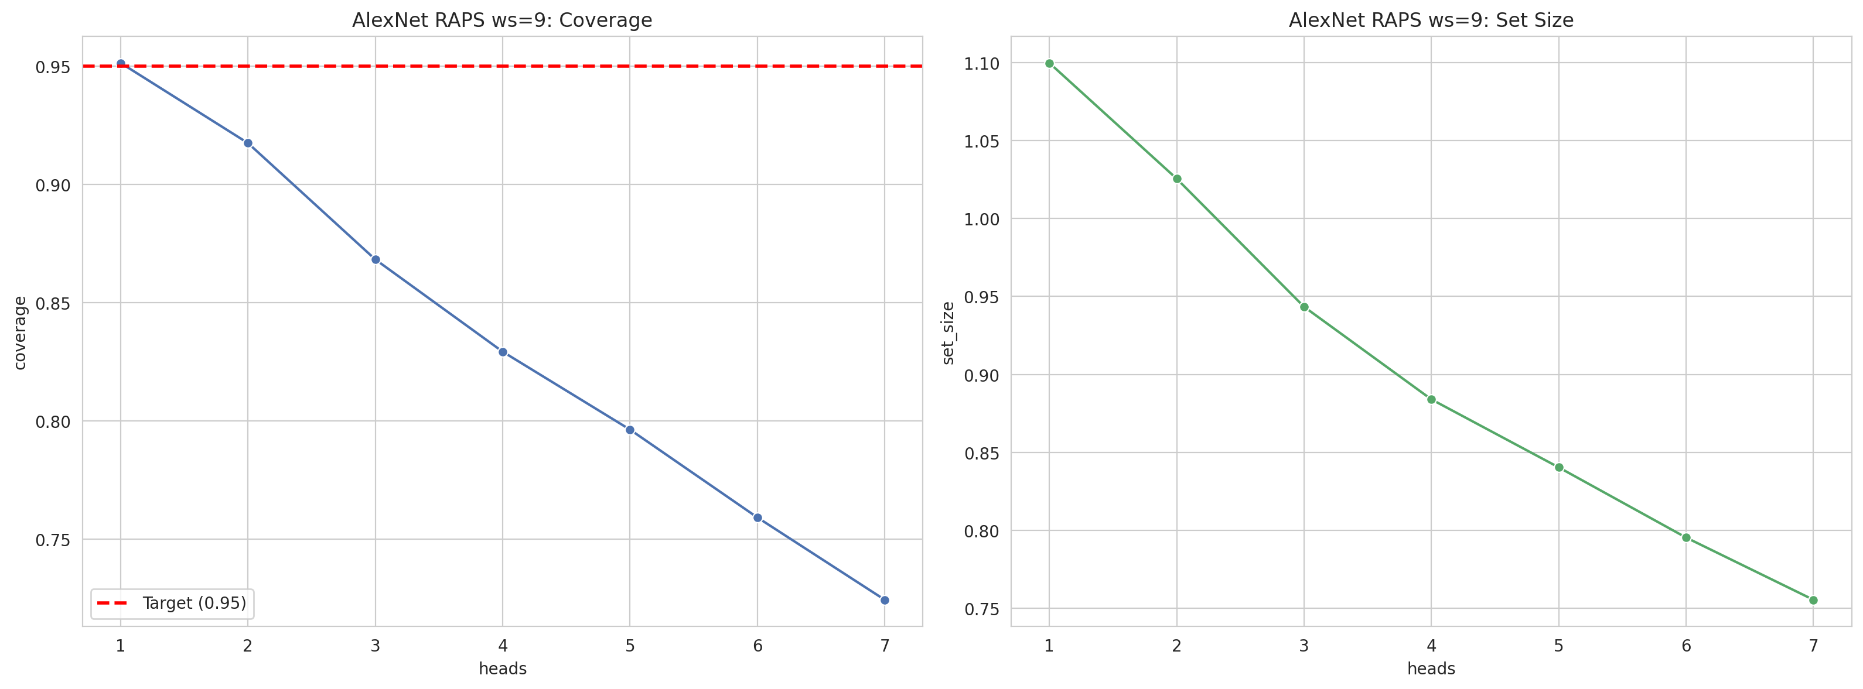
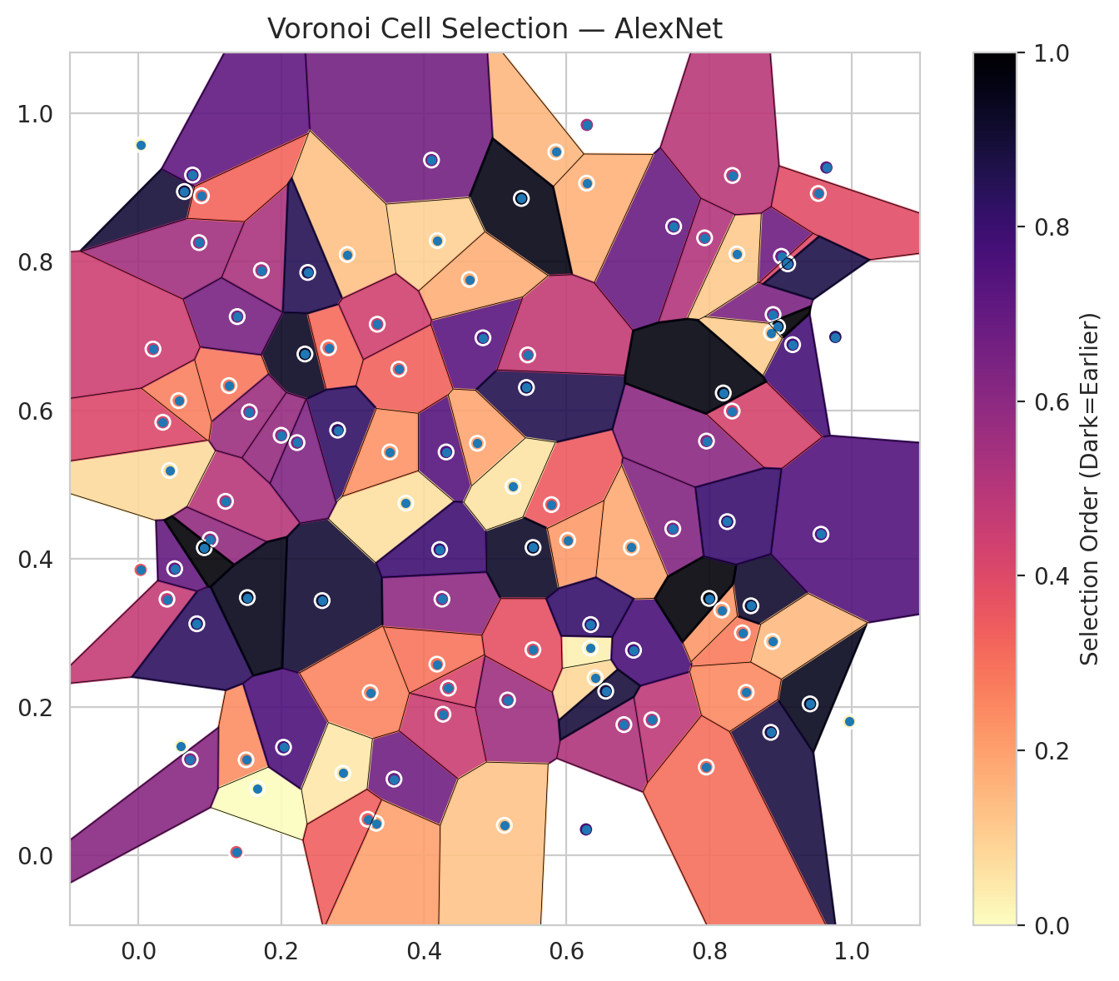
model_key | AlexNet_CNN_MultiHead
model_name | AlexNet
scoring_method | RAPS
window_size | 9
lambda | 0.5
k_iters | 1
empirical_coverage | 0.72436194896
avg_set_size | 0.75545243619
scene_coverage | 0.37673694298
scene_avg_set_size | 1.3867337521
uncertain_pixel_rate | 0.37589576547
mean_per_class_cov | 0.74324626313
runtime_sec | 114.02910686
alpha | 0.05

heads | coverage | set_size |  |  | class_id | class_coverage | support_count | Class | Pixels
1 | 0.95127610209 | 1.0997679814 |  |  | 0 | 0.69693654267 | 914 | Class 0 | 32755
2 | 0.91740139211 | 1.0255220418 |  |  | 1 | 0.73568281938 | 454 | Class 1 | 10170
3 | 0.86821345708 | 0.943387471 |  |  | 2 | 0.74301675978 | 358 | Class 2 | 11943
4 | 0.82923433875 | 0.88399071926 |  |  | 3 | 0.73076923077 | 156 | Class 3 | 2164
5 | 0.79628770302 | 0.8403712297 |  |  | 4 | 0.77884615385 | 104 | Class 4 | 2537
6 | 0.75916473318 | 0.79535962877 |  |  | 5 | 0.78217821782 | 101 | Class 5 | 2918
7 | 0.72436194896 | 0.75545243619 |  |  | 6 | 0.73529411765 | 68 | Class 6 | 741
 |  |  |  |  |  |  |  | Uncertain | 38082

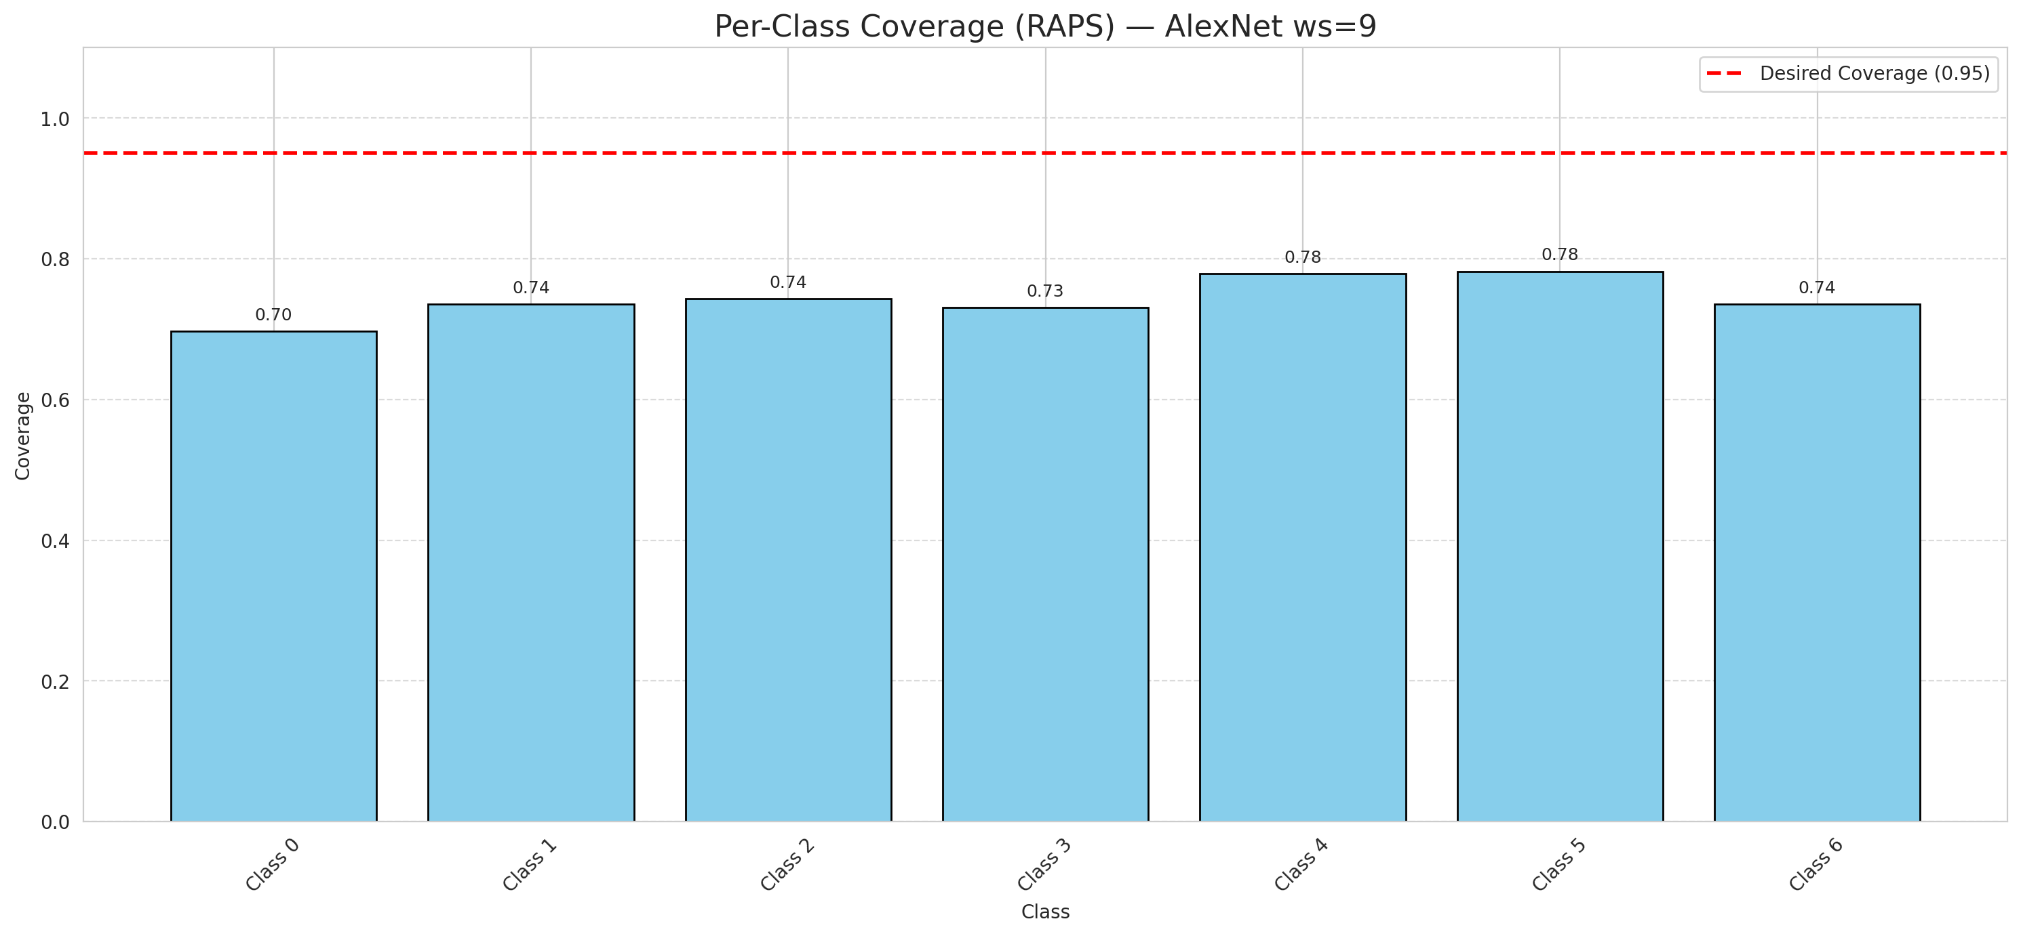

Cell Index | s1 | s2 | Selection_Order | Norm_Order(0-1) | Target
0 | 0.585 | 0.9481 | 16 | 0.15094339623 | 0
1 | 0.4108 | 0.937 | 70 | 0.66037735849 | 0
2 | 0.0402 | 0.3453 | 49 | 0.46226415094 | 0
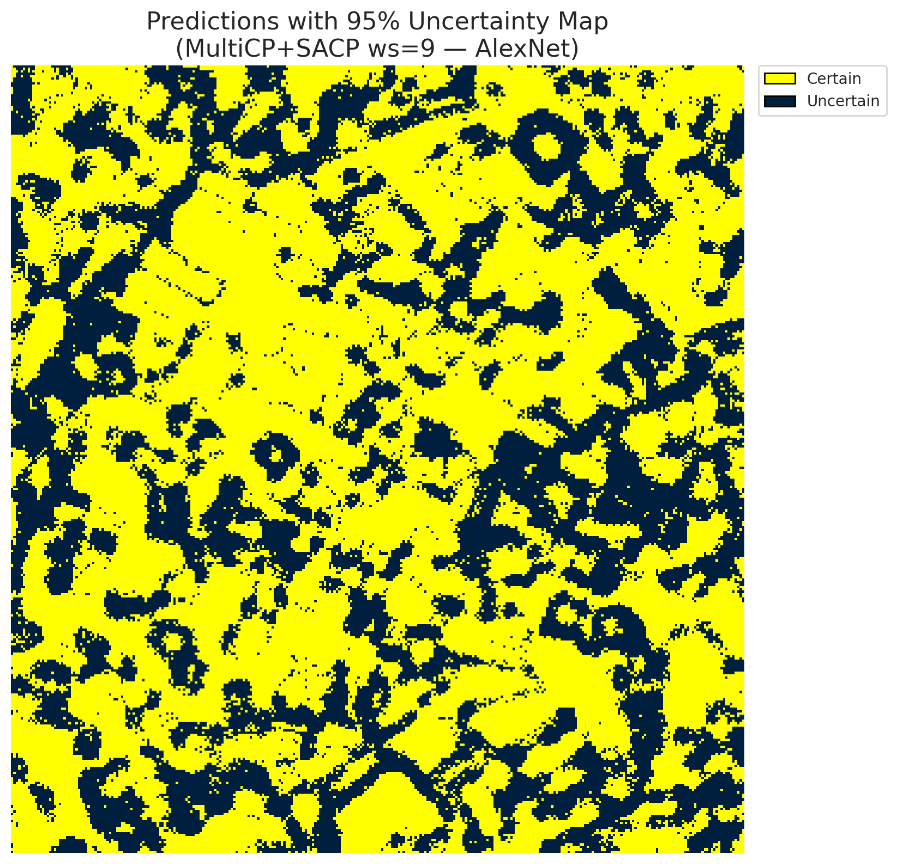
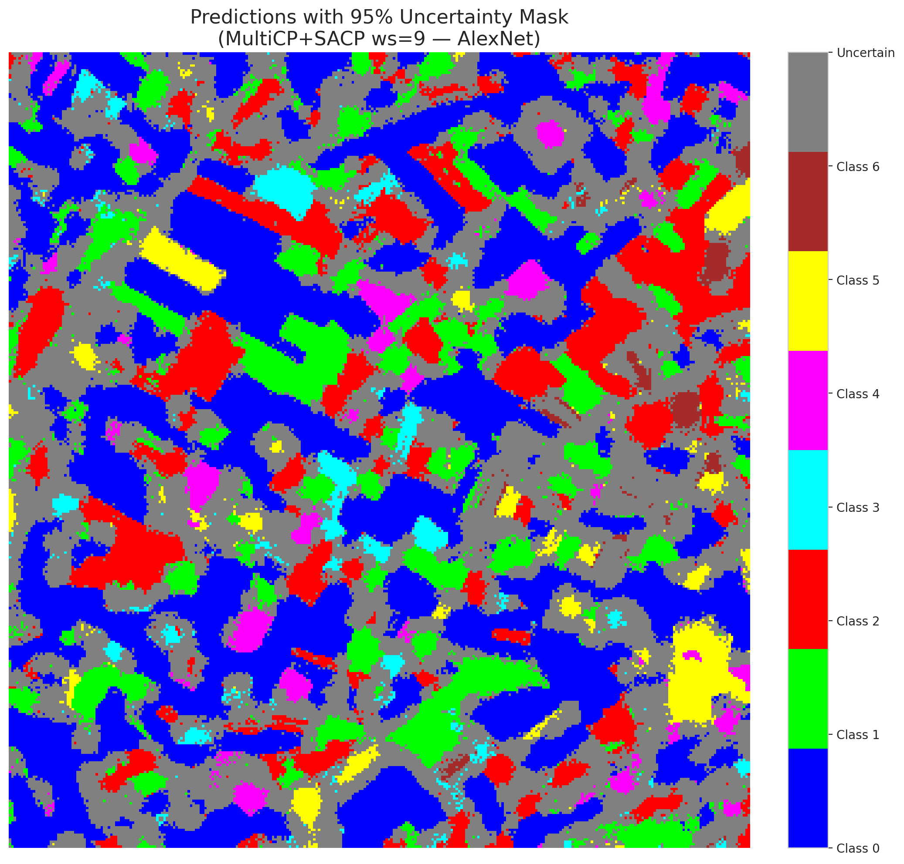
3 | 0.1222 | 0.4772 | 53 | 0.5 | 2
4 | 0.9413 | 0.2042 | 100 | 0.94339622642 | 6
5 | 0.151 | 0.1289 | 25 | 0.2358490566 | 2
6 | 0.1667 | 0.0903 | 0 | 0 | 0
7 | 0.5788 | 0.4728 | 37 | 0.34905660377 | 0
8 | 0.9168 | 0.6883 | 82 | 0.77358490566 | 0
9 | 0.2335 | 0.6757 | 99 | 0.93396226415 | 1
10 | 0.2002 | 0.5662 | 61 | 0.57547169811 | 3
11 | 0.0596 | 0.1476 | 1 | 0.0094339622642 | 0
12 | 0.6273 | 0.0351 | 83 | 0.78301886792 | 4
13 | 0.7195 | 0.1828 | 51 | 0.48113207547 | 0
14 | 0.7961 | 0.5584 | 64 | 0.60377358491 | 5
15 | 0.8463 | 0.3 | 29 | 0.27358490566 | 0
16 | 0.6285 | 0.9844 | 57 | 0.53773584906 | 1
17 | 0.4829 | 0.6975 | 77 | 0.72641509434 | 0
18 | 0.3583 | 0.1029 | 71 | 0.66981132075 | 2
19 | 0.0646 | 0.8946 | 95 | 0.89622641509 | 3
20 | 0.4313 | 0.5437 | 78 | 0.7358490566 | 0
21 | 0.082 | 0.3122 | 88 | 0.83018867925 | 4
22 | 0.076 | 0.9169 | 75 | 0.70754716981 | 0
23 | 0.9011 | 0.8073 | 72 | 0.67924528302 | 0
24 | 0.6401 | 0.2393 | 9 | 0.084905660377 | 1
25 | 0.8894 | 0.7289 | 68 | 0.64150943396 | 2
26 | 0.4344 | 0.2254 | 44 | 0.41509433962 | 4
27 | 0.0437 | 0.5187 | 8 | 0.075471698113 | 1
28 | 0.6333 | 0.2794 | 3 | 0.028301886792 | 0
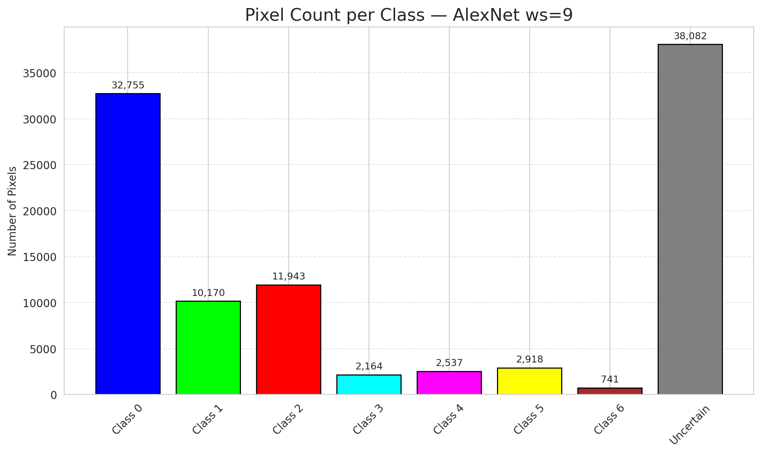
29 | 0.1006 | 0.4255 | 62 | 0.58490566038 | 3
30 | 0.4255 | 0.3454 | 63 | 0.59433962264 | 0
31 | 0.5174 | 0.2095 | 59 | 0.55660377358 | 1
32 | 0.051 | 0.3864 | 74 | 0.69811320755 | 6
33 | 0.7489 | 0.4402 | 66 | 0.62264150943 | 0
34 | 0.4269 | 0.1903 | 48 | 0.45283018868 | 5
35 | 0.0343 | 0.5837 | 43 | 0.40566037736 | 2
36 | 0.0034 | 0.9577 | 2 | 0.018867924528 | 5
37 | 0.7501 | 0.8476 | 73 | 0.68867924528 | 2
38 | 0.6939 | 0.2765 | 81 | 0.7641509434 | 4
39 | 0.2576 | 0.3434 | 96 | 0.90566037736 | 1
40 | 0.2035 | 0.1458 | 80 | 0.75471698113 | 0
41 | 0.4184 | 0.2578 | 31 | 0.29245283019 | 0
42 | 0.1271 | 0.6331 | 30 | 0.28301886792 | 0
43 | 0.9961 | 0.1805 | 4 | 0.037735849057 | 0
44 | 0.1556 | 0.5977 | 60 | 0.56603773585 | 0
45 | 0.9767 | 0.6987 | 89 | 0.83962264151 | 0
46 | 0.3249 | 0.2196 | 27 | 0.25471698113 | 0
47 | 0.1374 | 0.0045 | 39 | 0.3679245283 | 1
48 | 0.6281 | 0.9059 | 17 | 0.16037735849 | 0
49 | 0.8957 | 0.7125 | 106 | 1 | 2
50 | 0.0851 | 0.8258 | 58 | 0.54716981132 | 0
51 | 0.7935 | 0.8322 | 54 | 0.50943396226 | 0
52 | 0.1725 | 0.7884 | 56 | 0.52830188679 | 6
53 | 0.9528 | 0.892 | 41 | 0.38679245283 | 3
54 | 0.2666 | 0.6841 | 33 | 0.31132075472 | 0
55 | 0.0565 | 0.6129 | 28 | 0.2641509434 | 6
56 | 0.0885 | 0.889 | 34 | 0.32075471698 | 2
57 | 0.6907 | 0.415 | 19 | 0.17924528302 | 2
58 | 0.5531 | 0.415 | 98 | 0.92452830189 | 0
59 | 0.8387 | 0.8106 | 12 | 0.11320754717 | 2
60 | 0.6016 | 0.4247 | 22 | 0.20754716981 | 3
61 | 0.8584 | 0.3364 | 97 | 0.91509433962 | 2
62 | 0.8173 | 0.3306 | 23 | 0.21698113208 | 1
63 | 0.365 | 0.6553 | 35 | 0.33018867925 | 0
64 | 0.5529 | 0.2772 | 40 | 0.37735849057 | 1
65 | 0.2793 | 0.5731 | 87 | 0.82075471698 | 0
66 | 0.9565 | 0.4329 | 79 | 0.74528301887 | 0
67 | 0.6804 | 0.1763 | 55 | 0.51886792453 | 2
68 | 0.2927 | 0.8098 | 14 | 0.1320754717 | 0
69 | 0.3749 | 0.4747 | 7 | 0.066037735849 | 0
70 | 0.9641 | 0.927 | 76 | 0.71698113208 | 1
71 | 0.5367 | 0.8853 | 102 | 0.96226415094 | 5
72 | 0.7999 | 0.3464 | 104 | 0.98113207547 | 2
73 | 0.4189 | 0.8285 | 10 | 0.094339622642 | 0
74 | 0.8321 | 0.5988 | 45 | 0.42452830189 | 2
75 | 0.8862 | 0.1659 | 93 | 0.87735849057 | 5
76 | 0.8252 | 0.4498 | 85 | 0.80188679245 | 1
77 | 0.0925 | 0.4147 | 105 | 0.99056603774 | 3
78 | 0.5438 | 0.6306 | 91 | 0.85849056604 | 0
79 | 0.2374 | 0.7856 | 90 | 0.84905660377 | 0
80 | 0.3525 | 0.5437 | 24 | 0.22641509434 | 1
81 | 0.4222 | 0.4123 | 84 | 0.79245283019 | 1
82 | 0.909 | 0.7983 | 42 | 0.39622641509 | 6
83 | 0.8324 | 0.9163 | 52 | 0.49056603774 | 1
84 | 0.1386 | 0.7261 | 69 | 0.65094339623 | 1
85 | 0.5129 | 0.0406 | 13 | 0.12264150943 | 2
86 | 0.2866 | 0.1109 | 5 | 0.047169811321 | 0
87 | 0.8884 | 0.2883 | 15 | 0.14150943396 | 0
88 | 0.5455 | 0.6745 | 50 | 0.47169811321 | 0
89 | 0.8517 | 0.2198 | 26 | 0.24528301887 | 1
90 | 0.3331 | 0.0434 | 21 | 0.19811320755 | 2
91 | 0.3215 | 0.0488 | 36 | 0.33962264151 | 0
92 | 0.0206 | 0.6824 | 47 | 0.44339622642 | 0
93 | 0.6339 | 0.3111 | 86 | 0.81132075472 | 4
94 | 0.0033 | 0.3848 | 38 | 0.35849056604 | 1
95 | 0.9099 | 0.7972 | 92 | 0.8679245283 | 0
96 | 0.4751 | 0.5554 | 20 | 0.18867924528 | 2
97 | 0.2224 | 0.5563 | 67 | 0.6320754717 | 0
98 | 0.525 | 0.4972 | 6 | 0.056603773585 | 0
99 | 0.887 | 0.7043 | 11 | 0.10377358491 | 1
100 | 0.8196 | 0.6232 | 103 | 0.97169811321 | 3
101 | 0.1528 | 0.3475 | 101 | 0.95283018868 | 3
102 | 0.7958 | 0.1191 | 32 | 0.30188679245 | 6
103 | 0.0728 | 0.1295 | 65 | 0.61320754717 | 0
104 | 0.655 | 0.2214 | 94 | 0.88679245283 | 4
105 | 0.4638 | 0.7762 | 18 | 0.16981132075 | 1
106 | 0.3348 | 0.7158 | 46 | 0.43396226415 | 0

AlexNet_SAPS_ws9
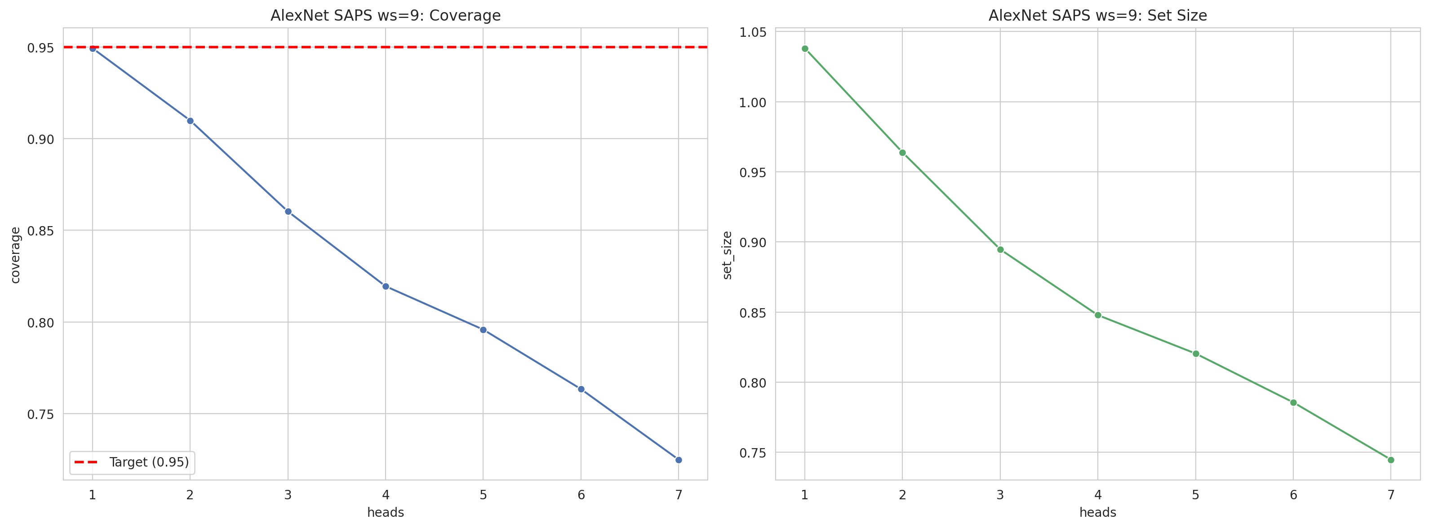
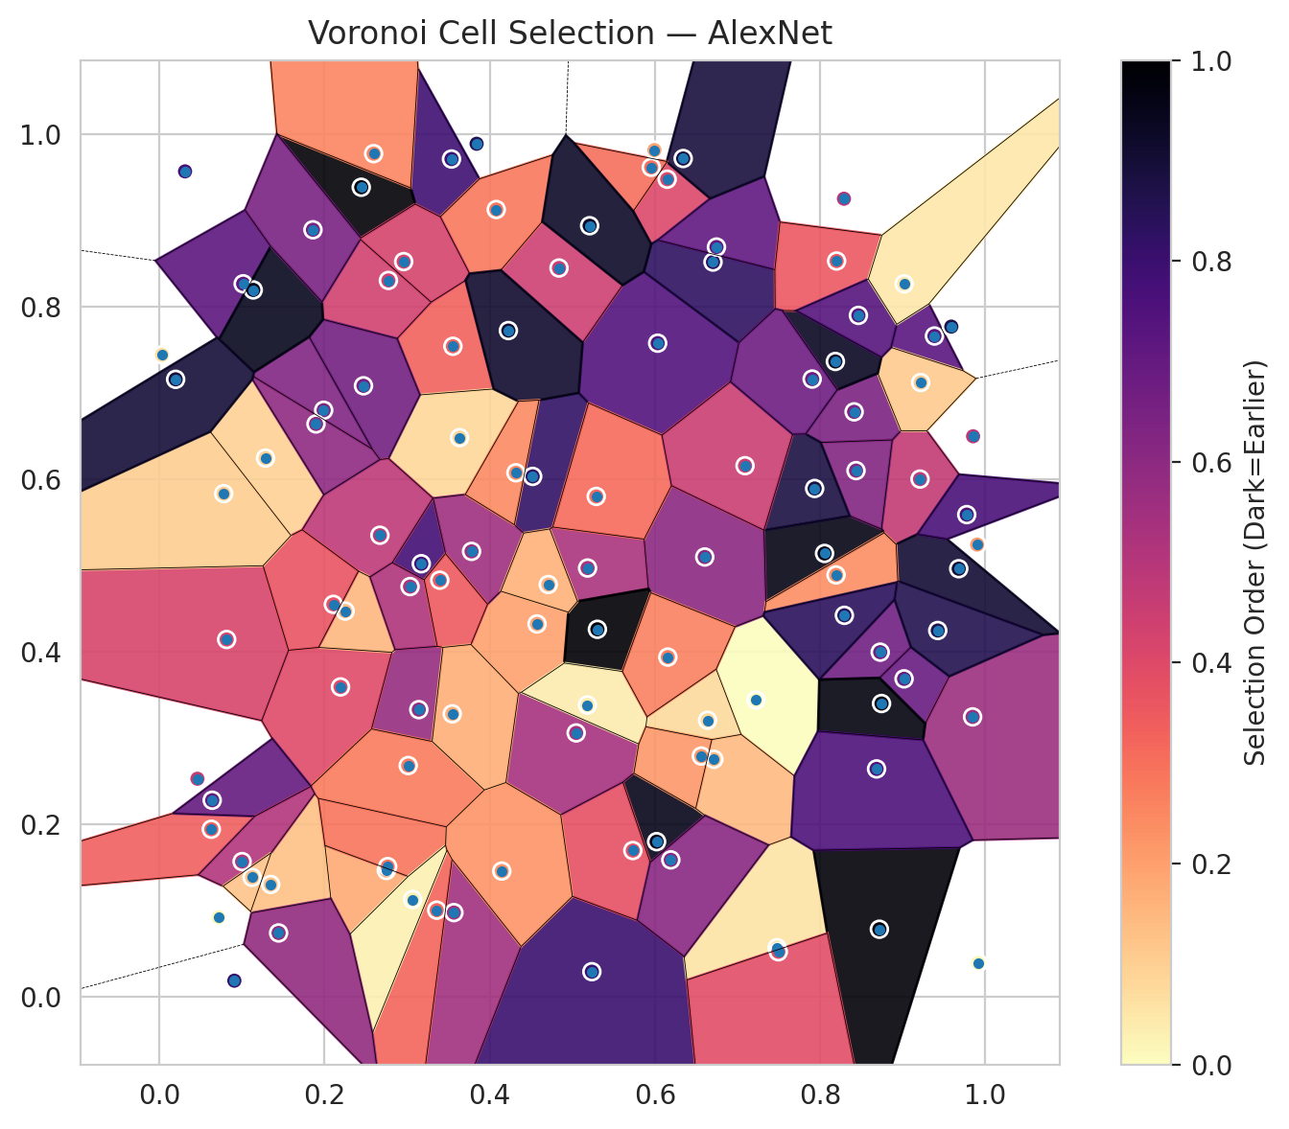
model_key | AlexNet_CNN_MultiHead
model_name | AlexNet
scoring_method | SAPS
window_size | 9
lambda | 0.5
k_iters | 1
empirical_coverage | 0.72482598608
avg_set_size | 0.74477958237
scene_coverage | 0.30336607571
scene_avg_set_size | 1.0527553663
uncertain_pixel_rate | 0.13562333432
mean_per_class_cov | 0.76044341777
runtime_sec | 112.50169347
alpha | 0.05

heads | coverage | set_size |  |  | class_id | class_coverage | support_count | Class | Pixels
1 | 0.9494199536 | 1.0380510441 |  |  | 0 | 0.69584245077 | 914 | Class 0 | 39852
2 | 0.90997679814 | 0.96380510441 |  |  | 1 | 0.73568281938 | 454 | Class 1 | 15450
3 | 0.86032482599 | 0.89466357309 |  |  | 2 | 0.71508379888 | 358 | Class 2 | 16301
4 | 0.81948955916 | 0.84779582367 |  |  | 3 | 0.76282051282 | 156 | Class 3 | 4780
5 | 0.79582366589 | 0.82041763341 |  |  | 4 | 0.77884615385 | 104 | Class 4 | 4061
6 | 0.76334106729 | 0.78561484919 |  |  | 5 | 0.75247524752 | 101 | Class 5 | 5586
7 | 0.72482598608 | 0.74477958237 |  |  | 6 | 0.88235294118 | 68 | Class 6 | 1540
 |  |  |  |  |  |  |  | Uncertain | 13740

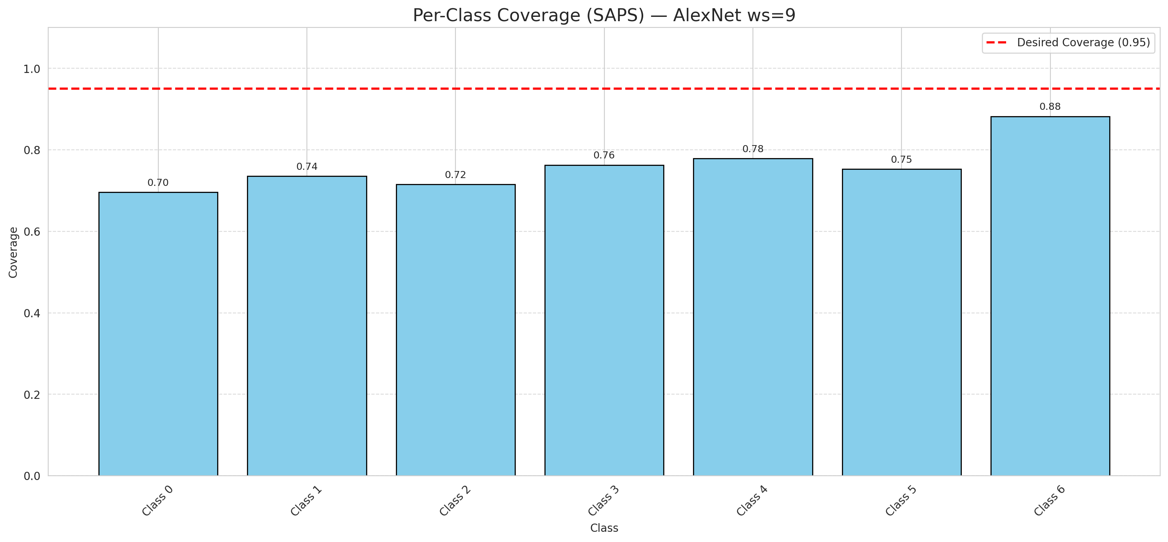

Cell Index | s1 | s2 | Selection_Order | Norm_Order(0-1) | Target
0 | 0.959 | 0.777 | 92 | 0.8679245283 | 0
1 | 0.5237 | 0.0294 | 85 | 0.80188679245 | 0
2 | 0.3554 | 0.7542 | 35 | 0.33018867925 | 0
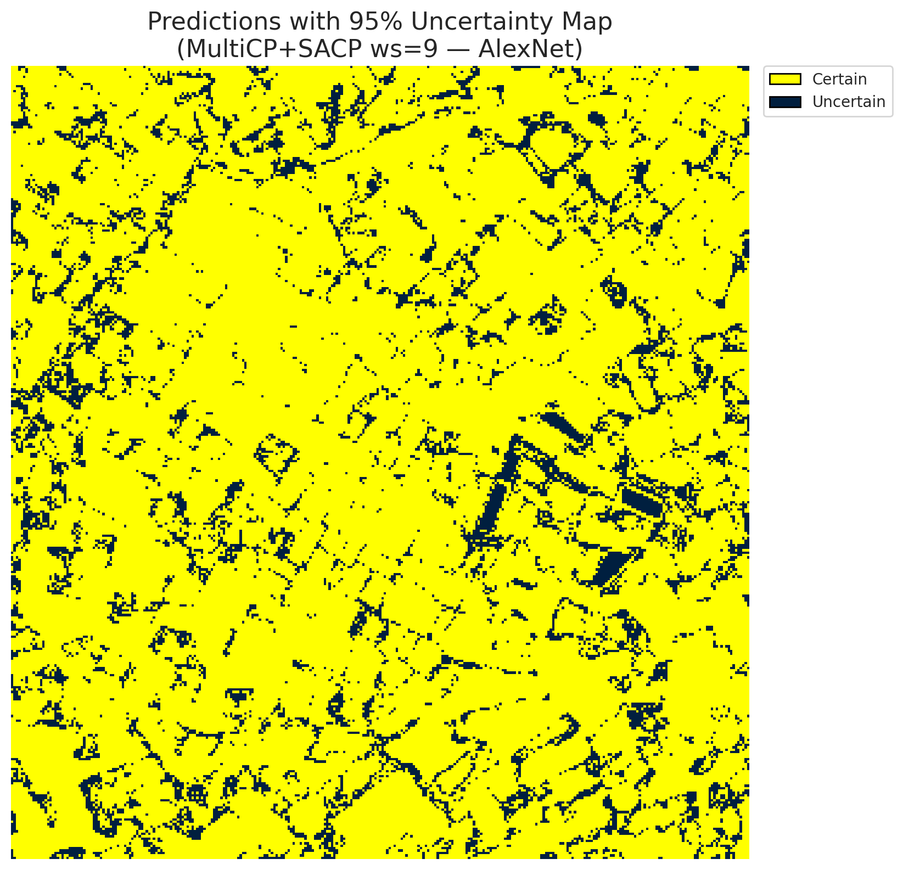
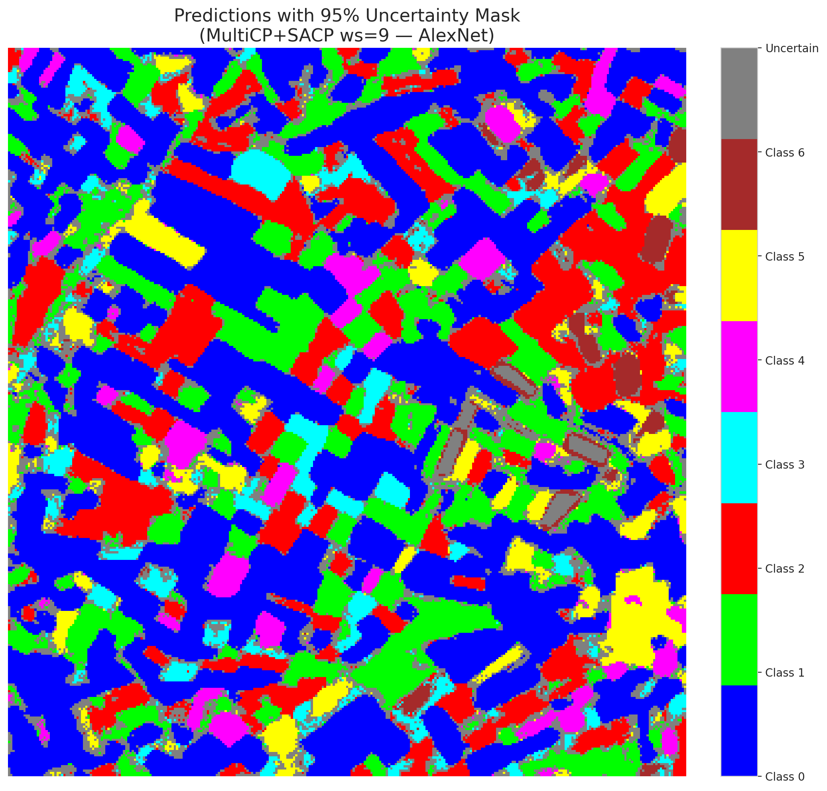
3 | 0.9386 | 0.7661 | 77 | 0.72641509434 | 2
4 | 0.9211 | 0.6003 | 50 | 0.47169811321 | 6
5 | 0.046 | 0.253 | 49 | 0.46226415094 | 2
6 | 0.6034 | 0.7578 | 79 | 0.74528301887 | 0
7 | 0.3537 | 0.9712 | 84 | 0.79245283019 | 0
8 | 0.748 | 0.0572 | 6 | 0.056603773585 | 0
9 | 0.7225 | 0.3442 | 0 | 0 | 1
10 | 0.452 | 0.6034 | 87 | 0.82075471698 | 3
11 | 0.0628 | 0.1945 | 36 | 0.33962264151 | 0
12 | 0.8413 | 0.6782 | 68 | 0.64150943396 | 4
13 | 0.2748 | 0.1467 | 19 | 0.17924528302 | 0
14 | 0.6149 | 0.9478 | 43 | 0.40566037736 | 5
15 | 0.6704 | 0.8518 | 88 | 0.83018867925 | 0
16 | 0.9018 | 0.3688 | 73 | 0.68867924528 | 1
17 | 0.6639 | 0.3208 | 8 | 0.075471698113 | 0
18 | 0.3141 | 0.3331 | 61 | 0.57547169811 | 2
19 | 0.9848 | 0.3247 | 60 | 0.56603773585 | 3
20 | 0.2193 | 0.3594 | 42 | 0.39622641509 | 0
21 | 0.2773 | 0.8305 | 46 | 0.43396226415 | 4
22 | 0.3635 | 0.6483 | 9 | 0.084905660377 | 0
23 | 0.1989 | 0.6801 | 67 | 0.6320754717 | 0
24 | 0.1347 | 0.1305 | 14 | 0.1320754717 | 1
25 | 0.1014 | 0.8266 | 76 | 0.71698113208 | 2
26 | 0.3013 | 0.2683 | 29 | 0.27358490566 | 4
27 | 0.8729 | 0.3997 | 71 | 0.66981132075 | 1
28 | 0.2764 | 0.1512 | 31 | 0.29245283019 | 0
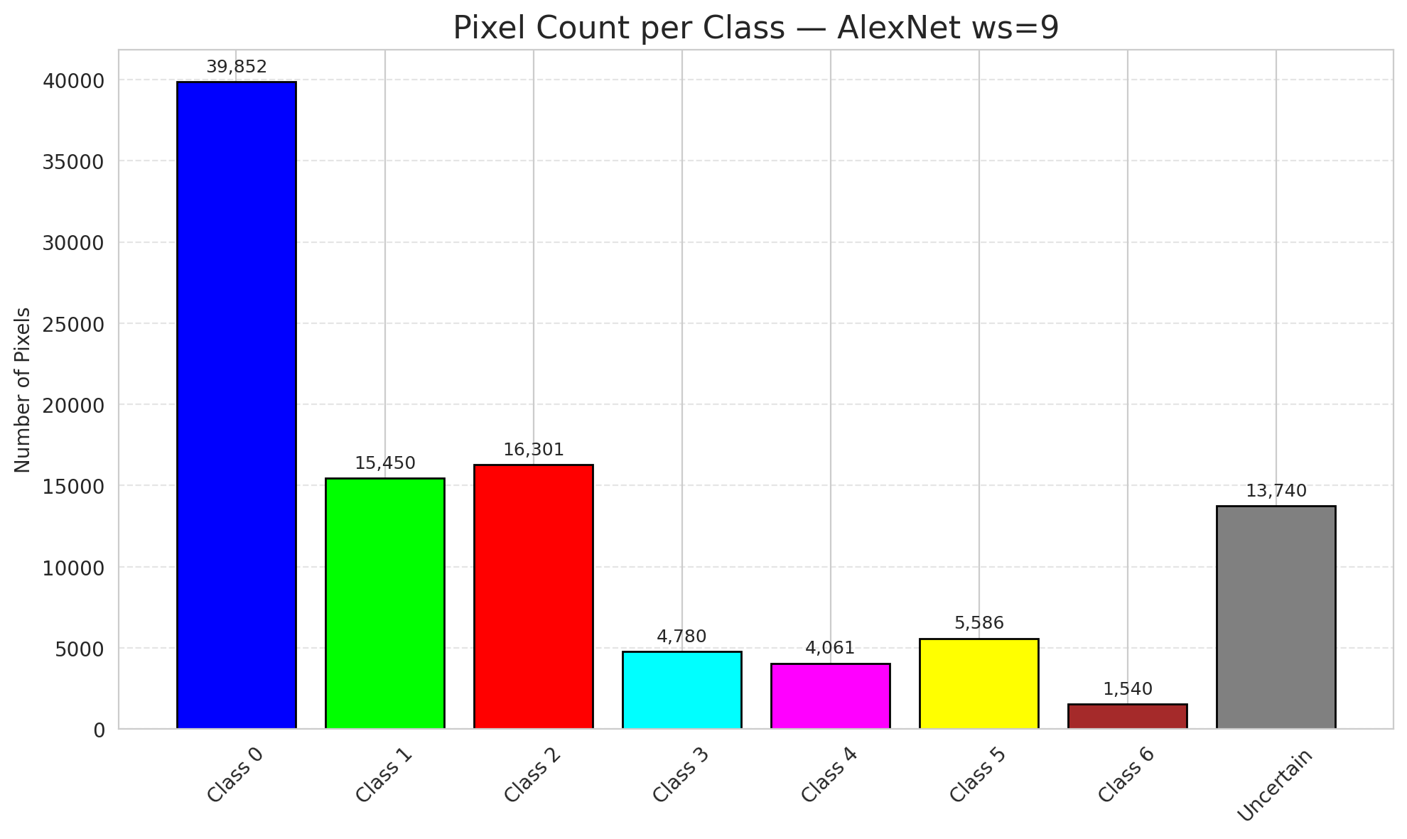
29 | 0.6746 | 0.8692 | 75 | 0.70754716981 | 3
30 | 0.3566 | 0.0979 | 58 | 0.54716981132 | 0
31 | 0.2471 | 0.7084 | 70 | 0.66037735849 | 1
32 | 0.8055 | 0.5141 | 102 | 0.96226415094 | 6
33 | 0.3358 | 0.1007 | 34 | 0.32075471698 | 0
34 | 0.9903 | 0.5244 | 22 | 0.20754716981 | 5
35 | 0.4573 | 0.4324 | 21 | 0.19811320755 | 2
36 | 0.968 | 0.4964 | 96 | 0.90566037736 | 5
37 | 0.031 | 0.9569 | 82 | 0.77358490566 | 2
38 | 0.6604 | 0.51 | 64 | 0.60377358491 | 4
39 | 0.3171 | 0.5022 | 83 | 0.78301886792 | 1
40 | 0.1136 | 0.8195 | 100 | 0.94339622642 | 0
41 | 0.0716 | 0.0924 | 2 | 0.018867924528 | 0
42 | 0.8436 | 0.6101 | 66 | 0.62264150943 | 0
43 | 0.9854 | 0.6499 | 52 | 0.49056603774 | 0
44 | 0.2444 | 0.9385 | 105 | 0.99056603774 | 0
45 | 0.0031 | 0.7443 | 7 | 0.066037735849 | 0
46 | 0.829 | 0.9252 | 53 | 0.5 | 0
47 | 0.6021 | 0.1801 | 101 | 0.95283018868 | 1
48 | 0.6714 | 0.2756 | 15 | 0.14150943396 | 0
49 | 0.6343 | 0.9718 | 94 | 0.88679245283 | 2
50 | 0.7935 | 0.5894 | 93 | 0.87735849057 | 0
51 | 0.9219 | 0.7122 | 12 | 0.11320754717 | 0
52 | 0.1285 | 0.6246 | 10 | 0.094339622642 | 6
53 | 0.5185 | 0.4972 | 56 | 0.52830188679 | 3
54 | 0.9426 | 0.4248 | 91 | 0.85849056604 | 0
55 | 0.0814 | 0.4144 | 44 | 0.41509433962 | 6
56 | 0.3067 | 0.1131 | 3 | 0.028301886792 | 2
57 | 0.378 | 0.5165 | 59 | 0.55660377358 | 2
58 | 0.267 | 0.5352 | 51 | 0.48113207547 | 0
59 | 0.8186 | 0.7366 | 99 | 0.93396226415 | 2
60 | 0.1896 | 0.6642 | 63 | 0.59433962264 | 3
61 | 0.2594 | 0.9774 | 27 | 0.25471698113 | 2
62 | 0.5733 | 0.1698 | 40 | 0.37735849057 | 1
63 | 0.3841 | 0.9889 | 90 | 0.84905660377 | 0
64 | 0.1859 | 0.8892 | 69 | 0.65094339623 | 1
65 | 0.2249 | 0.4473 | 16 | 0.15094339623 | 0
66 | 0.5994 | 0.9816 | 20 | 0.18867924528 | 0
67 | 0.529 | 0.5802 | 33 | 0.31132075472 | 2
68 | 0.8194 | 0.4892 | 25 | 0.2358490566 | 0
69 | 0.5047 | 0.3061 | 57 | 0.53773584906 | 0
70 | 0.4839 | 0.8449 | 47 | 0.44339622642 | 1
71 | 0.7092 | 0.6158 | 48 | 0.45283018868 | 5
72 | 0.0639 | 0.2281 | 74 | 0.69811320755 | 2
73 | 0.5956 | 0.9616 | 32 | 0.30188679245 | 0
74 | 0.2106 | 0.4551 | 39 | 0.3679245283 | 2
75 | 0.1443 | 0.0743 | 62 | 0.58490566038 | 5
76 | 0.5304 | 0.4262 | 106 | 1 | 1
77 | 0.8201 | 0.853 | 38 | 0.35849056604 | 3
78 | 0.5183 | 0.3385 | 4 | 0.037735849057 | 0
79 | 0.4079 | 0.9127 | 30 | 0.28301886792 | 0
80 | 0.0907 | 0.019 | 86 | 0.81132075472 | 1
81 | 0.8719 | 0.0786 | 104 | 0.98113207547 | 1
82 | 0.2958 | 0.8523 | 45 | 0.42452830189 | 6
83 | 0.8295 | 0.4424 | 89 | 0.83962264151 | 1
84 | 0.8465 | 0.79 | 78 | 0.7358490566 | 1
85 | 0.9777 | 0.5591 | 81 | 0.7641509434 | 2
86 | 0.3035 | 0.4757 | 55 | 0.51886792453 | 0
87 | 0.9916 | 0.0395 | 1 | 0.0094339622642 | 0
88 | 0.4226 | 0.7724 | 97 | 0.91509433962 | 0
89 | 0.6157 | 0.394 | 28 | 0.2641509434 | 1
90 | 0.4317 | 0.6076 | 26 | 0.24528301887 | 2
91 | 0.521 | 0.8939 | 98 | 0.92452830189 | 0
92 | 0.9019 | 0.8265 | 5 | 0.047169811321 | 0
93 | 0.6193 | 0.159 | 65 | 0.61320754717 | 4
94 | 0.6562 | 0.2793 | 23 | 0.21698113208 | 1
95 | 0.1001 | 0.157 | 54 | 0.50943396226 | 0
96 | 0.4709 | 0.4781 | 17 | 0.16037735849 | 2
97 | 0.7495 | 0.0525 | 41 | 0.38679245283 | 0
98 | 0.3395 | 0.4831 | 37 | 0.34905660377 | 0
99 | 0.4146 | 0.146 | 24 | 0.22641509434 | 1
100 | 0.7905 | 0.7162 | 72 | 0.67924528302 | 3
101 | 0.8745 | 0.3402 | 103 | 0.97169811321 | 3
102 | 0.8685 | 0.2644 | 80 | 0.75471698113 | 6
103 | 0.1122 | 0.1387 | 13 | 0.12264150943 | 0
104 | 0.0778 | 0.5834 | 11 | 0.10377358491 | 4
105 | 0.0196 | 0.7159 | 95 | 0.89622641509 | 1
106 | 0.3546 | 0.3282 | 18 | 0.16981132075 | 0

GFNet_RAPS_ws9
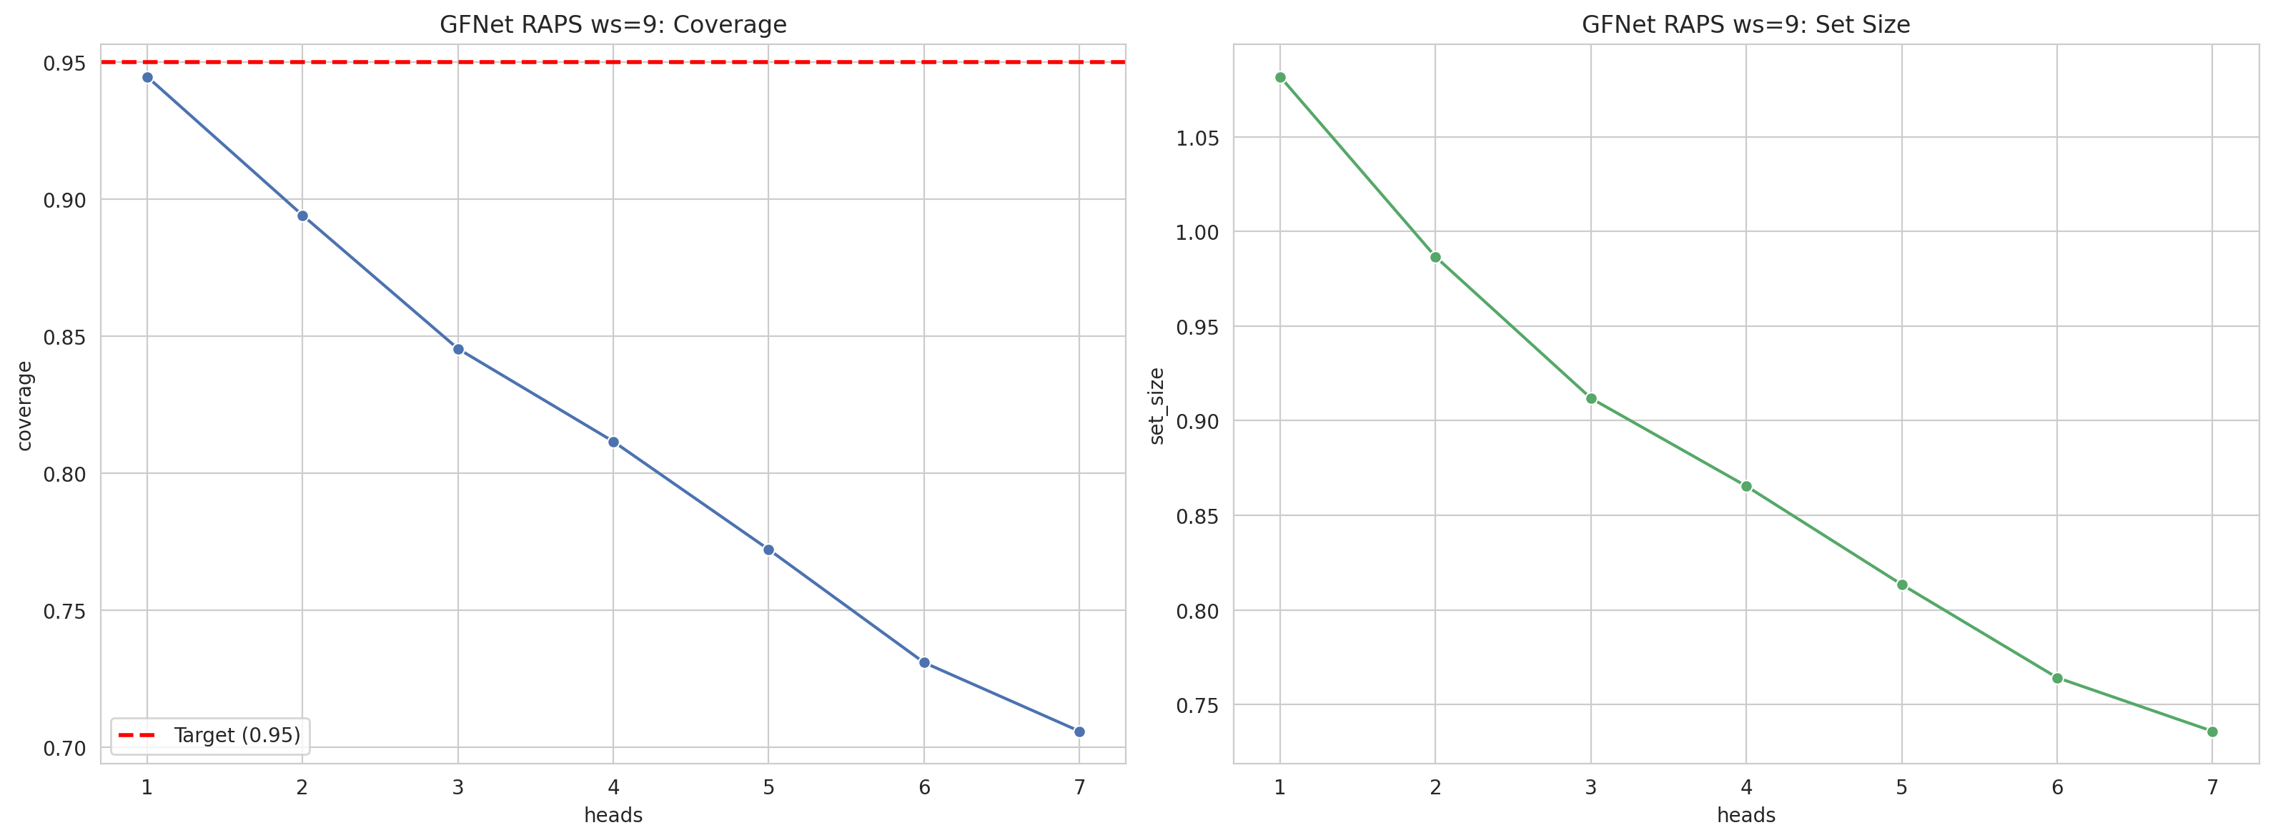
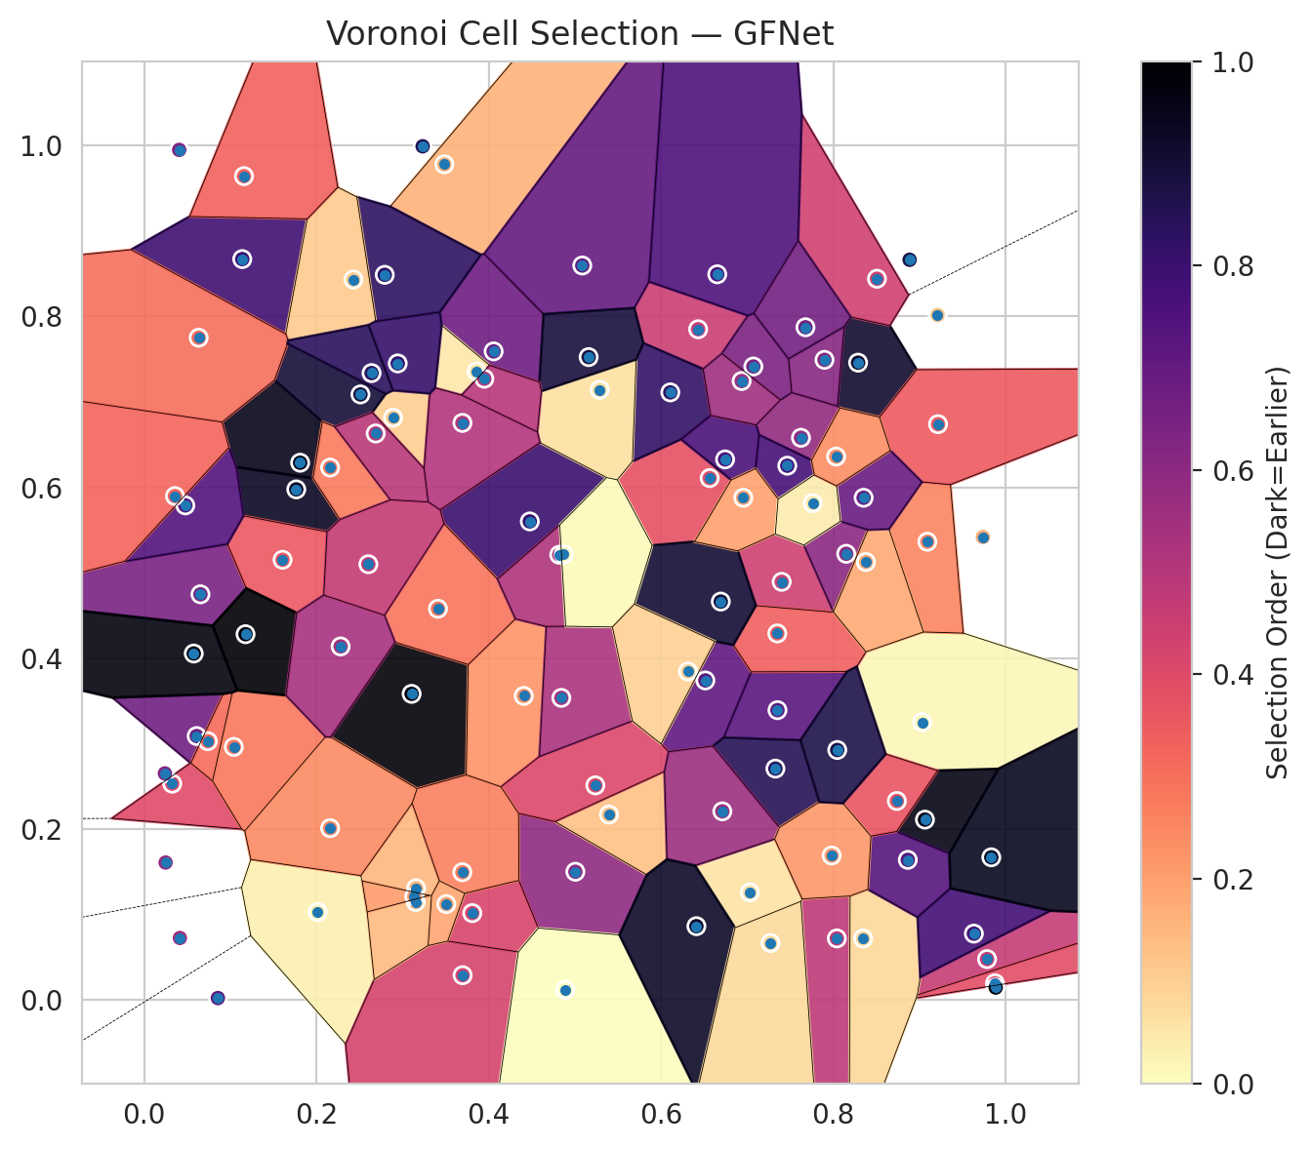
model_key | GFNet_MultiHead
model_name | GFNet
scoring_method | RAPS
window_size | 9
lambda | 0.5
k_iters | 1
empirical_coverage | 0.70580046404
avg_set_size | 0.73596287703
scene_coverage | 0.37464063249
scene_avg_set_size | 1.2994333462
uncertain_pixel_rate | 0.3210640608
mean_per_class_cov | 0.72238935406
runtime_sec | 114.95056737
alpha | 0.05

heads | coverage | set_size |  |  | class_id | class_coverage | support_count | Class | Pixels
1 | 0.94477958237 | 1.0816705336 |  |  | 0 | 0.68490153173 | 914 | Class 0 | 35580
2 | 0.89419953596 | 0.98654292343 |  |  | 1 | 0.67841409692 | 454 | Class 1 | 11956
3 | 0.84547563805 | 0.91183294664 |  |  | 2 | 0.74581005587 | 358 | Class 2 | 12532
4 | 0.81160092807 | 0.86542923434 |  |  | 3 | 0.78846153846 | 156 | Class 3 | 2559
5 | 0.77215777262 | 0.81345707657 |  |  | 4 | 0.74038461538 | 104 | Class 4 | 2898
6 | 0.73085846868 | 0.76426914153 |  |  | 5 | 0.71287128713 | 101 | Class 5 | 2136
7 | 0.70580046404 | 0.73596287703 |  |  | 6 | 0.70588235294 | 68 | Class 6 | 1122
 |  |  |  |  |  |  |  | Uncertain | 32527

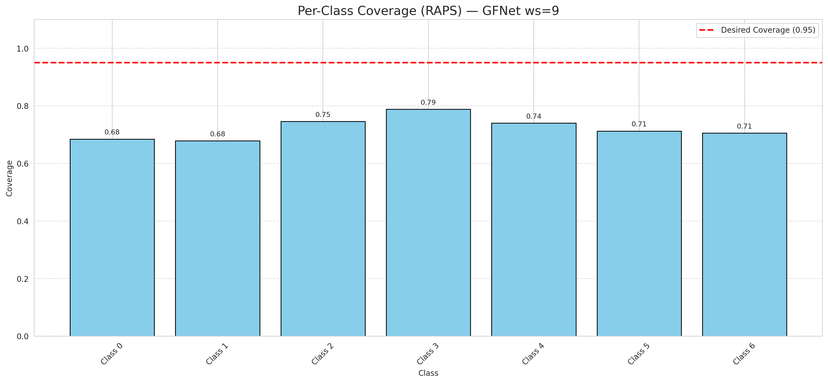

Cell Index | s1 | s2 | Selection_Order | Norm_Order(0-1) | Target
0 | 0.8041 | 0.072 | 51 | 0.48113207547 | 0
1 | 0.3105 | 0.3582 | 104 | 0.98113207547 | 0
2 | 0.9785 | 0.0478 | 49 | 0.46226415094 | 0
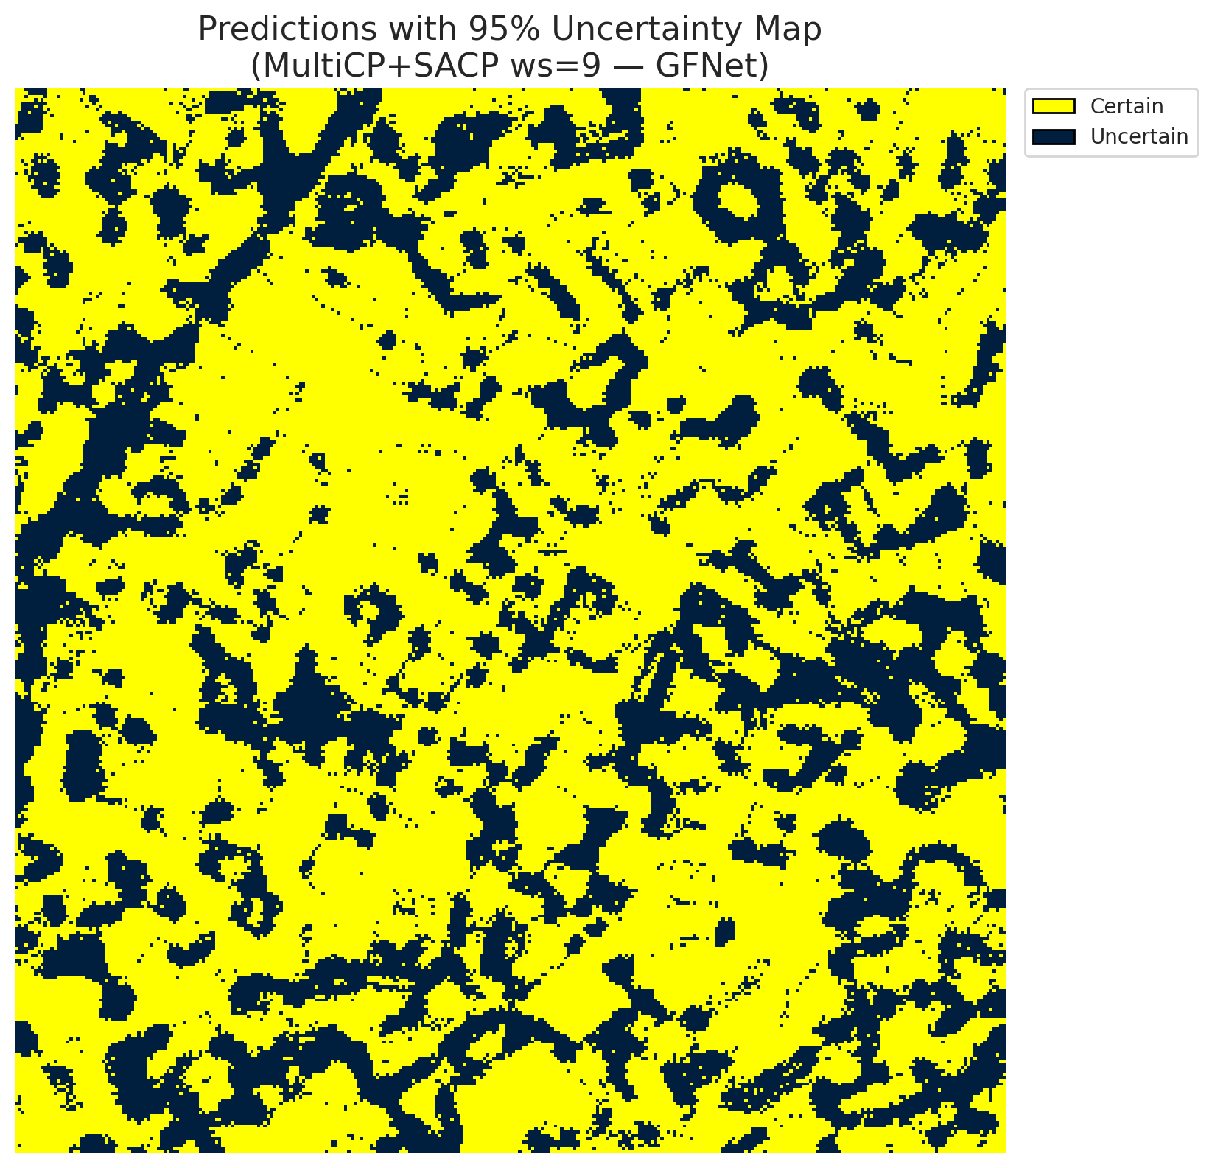
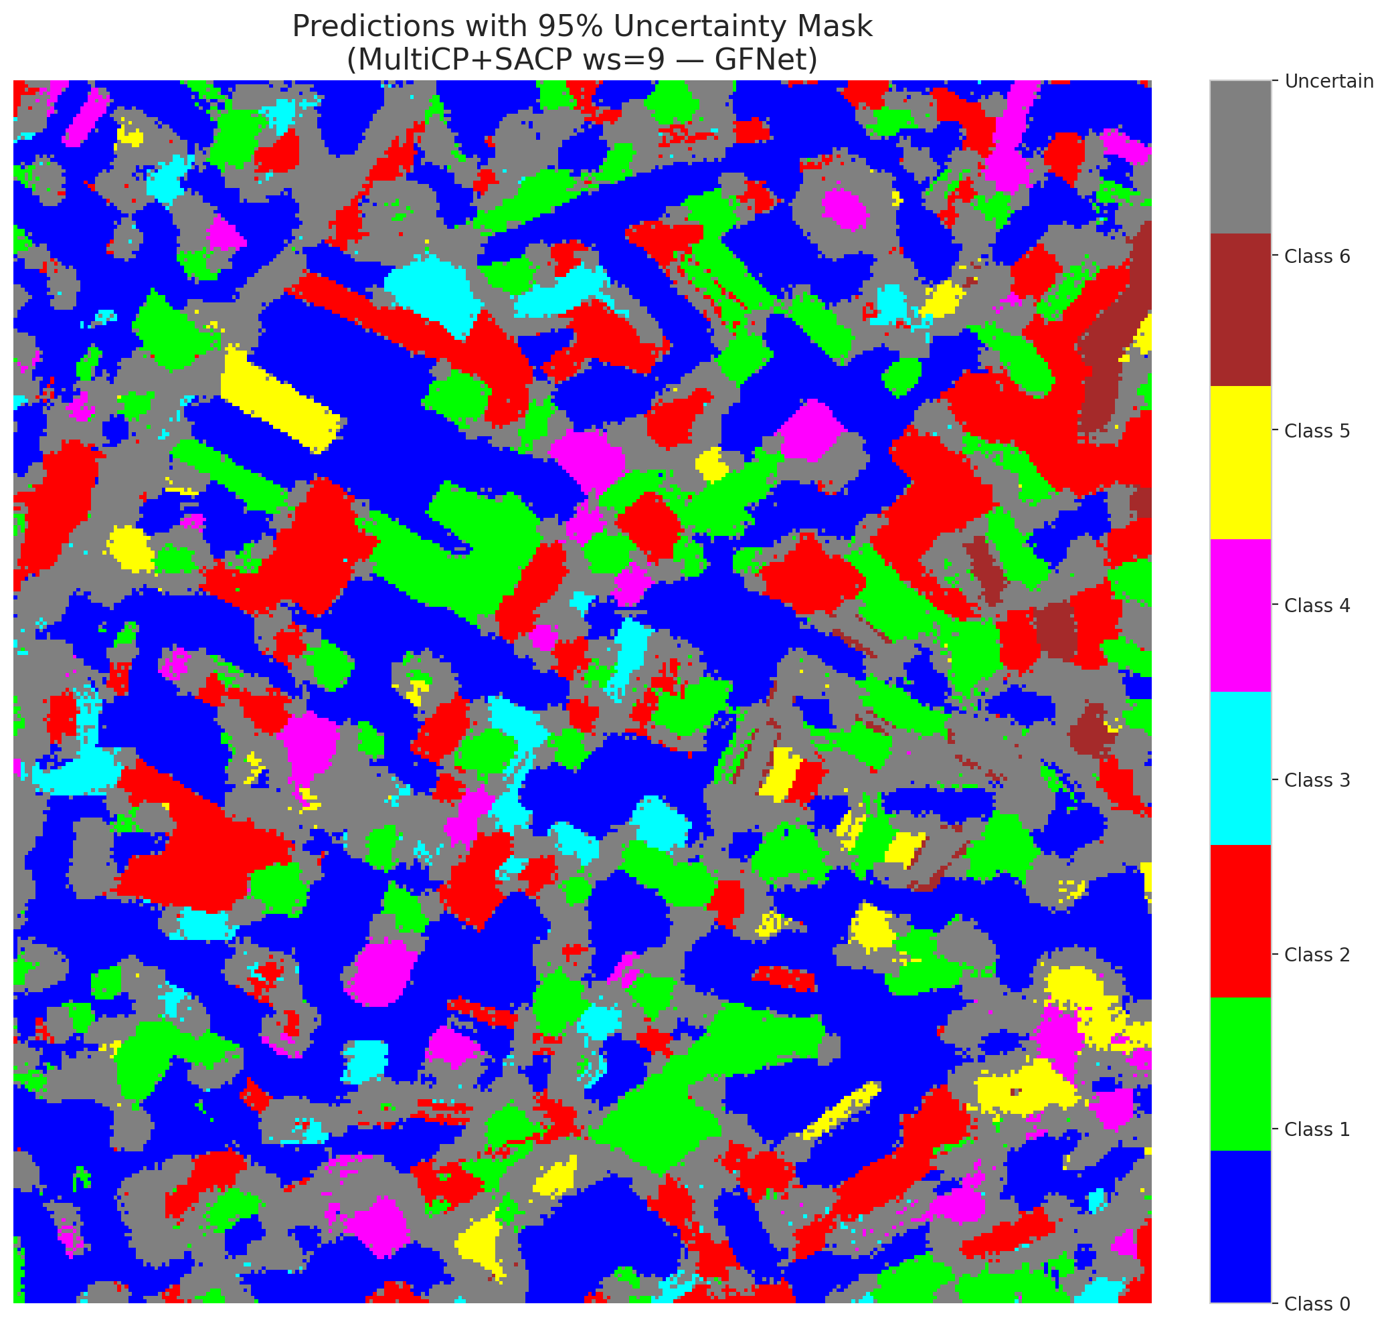
3 | 0.1766 | 0.5975 | 99 | 0.93396226415 | 2
4 | 0.0326 | 0.2531 | 42 | 0.39622641509 | 6
5 | 0.6431 | 0.7849 | 48 | 0.45283018868 | 2
6 | 0.8288 | 0.7458 | 97 | 0.91509433962 | 0
7 | 0.3485 | 0.9779 | 17 | 0.16037735849 | 0
8 | 0.3157 | 0.1307 | 16 | 0.15094339623 | 0
9 | 0.1811 | 0.6287 | 101 | 0.95283018868 | 1
10 | 0.6515 | 0.3739 | 75 | 0.70754716981 | 3
11 | 0.7625 | 0.6579 | 62 | 0.58490566038 | 0
12 | 0.8507 | 0.844 | 46 | 0.43396226415 | 4
13 | 0.061 | 0.3088 | 71 | 0.66981132075 | 0
14 | 0.1139 | 0.867 | 84 | 0.79245283019 | 5
15 | 0.289 | 0.6814 | 11 | 0.10377358491 | 0
16 | 0.6565 | 0.6107 | 40 | 0.37735849057 | 1
17 | 0.7466 | 0.6252 | 82 | 0.77358490566 | 0
18 | 0.5006 | 0.15 | 63 | 0.59433962264 | 2
19 | 0.2014 | 0.1028 | 3 | 0.028301886792 | 3
20 | 0.4477 | 0.56 | 85 | 0.80188679245 | 0
21 | 0.0654 | 0.4747 | 69 | 0.65094339623 | 4
22 | 0.5086 | 0.8595 | 74 | 0.69811320755 | 0
23 | 0.2511 | 0.7086 | 95 | 0.89622641509 | 0
24 | 0.7401 | 0.4893 | 47 | 0.44339622642 | 1
25 | 0.0241 | 0.2651 | 66 | 0.62264150943 | 2
26 | 0.3697 | 0.0289 | 45 | 0.42452830189 | 4
27 | 0.4407 | 0.3558 | 24 | 0.22641509434 | 1
28 | 0.815 | 0.5221 | 64 | 0.60377358491 | 0
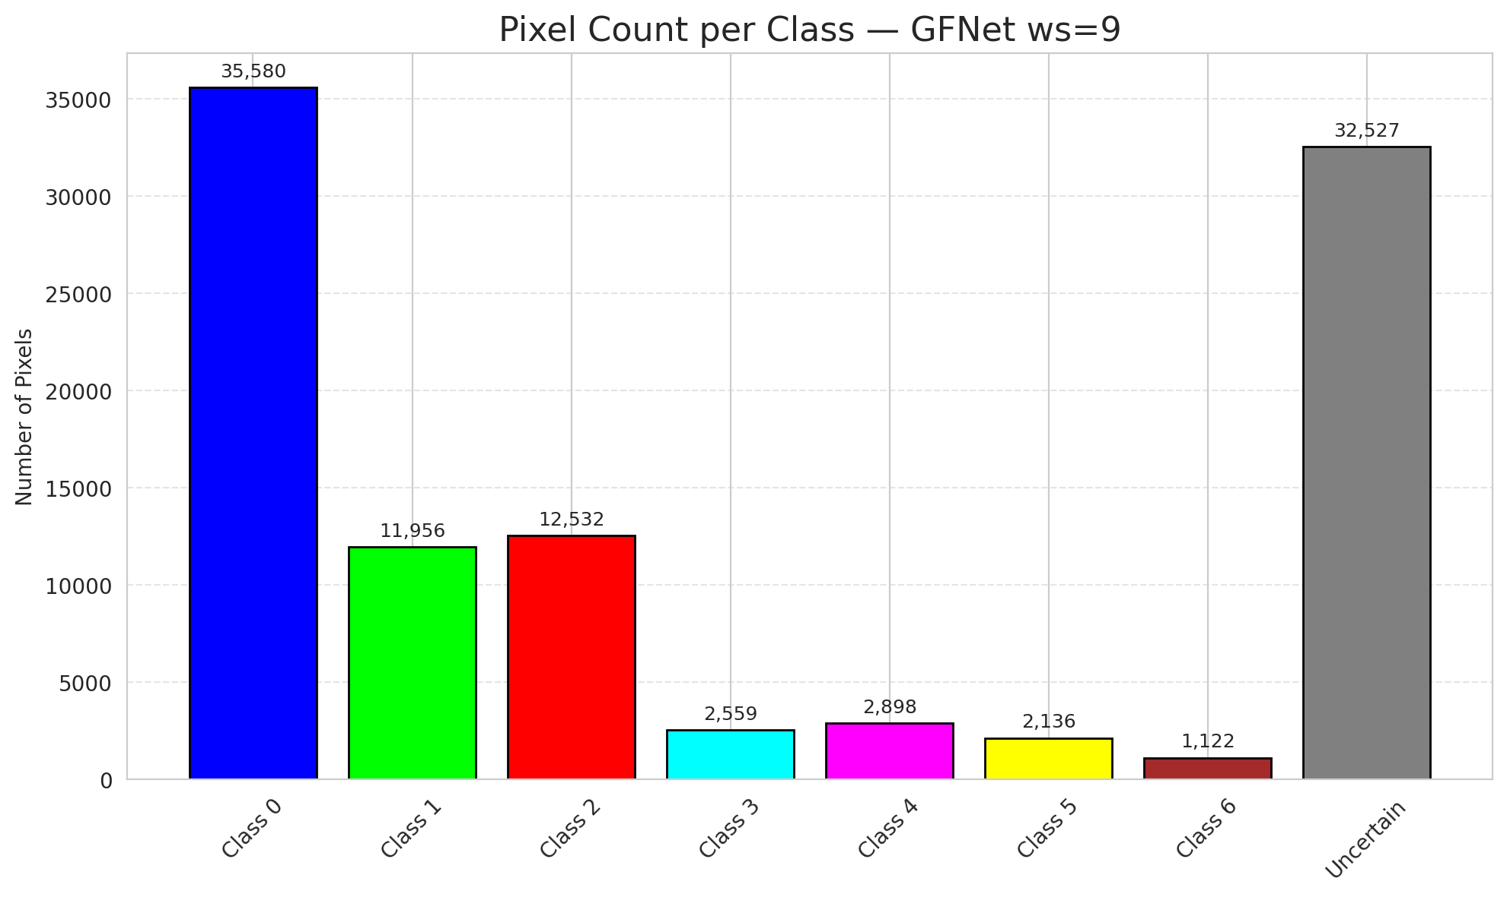
29 | 0.3809 | 0.1016 | 44 | 0.41509433962 | 3
30 | 0.0415 | 0.0725 | 58 | 0.54716981132 | 0
31 | 0.7031 | 0.1258 | 6 | 0.056603773585 | 1
32 | 0.7072 | 0.7413 | 68 | 0.64150943396 | 6
33 | 0.4057 | 0.759 | 72 | 0.67924528302 | 0
34 | 0.7352 | 0.3391 | 77 | 0.72641509434 | 5
35 | 0.4889 | 0.0119 | 0 | 0 | 2
36 | 0.9032 | 0.3249 | 2 | 0.018867924528 | 5
37 | 0.3153 | 0.1146 | 15 | 0.14150943396 | 2
38 | 0.5396 | 0.2169 | 14 | 0.1320754717 | 4
39 | 0.7328 | 0.2707 | 90 | 0.84905660377 | 1
40 | 0.9064 | 0.211 | 102 | 0.96226415094 | 0
41 | 0.0856 | 0.0022 | 76 | 0.71698113208 | 0
42 | 0.6108 | 0.711 | 87 | 0.82075471698 | 0
43 | 0.5238 | 0.2511 | 43 | 0.40566037736 | 0
44 | 0.735 | 0.4289 | 36 | 0.33962264151 | 0
45 | 0.2793 | 0.8486 | 88 | 0.83018867925 | 0
46 | 0.9877 | 0.0195 | 41 | 0.38679245283 | 0
47 | 0.2429 | 0.8431 | 12 | 0.11320754717 | 1
48 | 0.6744 | 0.6326 | 81 | 0.7641509434 | 0
49 | 0.9092 | 0.5362 | 27 | 0.25471698113 | 2
50 | 0.1607 | 0.5151 | 38 | 0.35849056604 | 0
51 | 0.8886 | 0.8662 | 93 | 0.87735849057 | 0
52 | 0.0739 | 0.3028 | 33 | 0.31132075472 | 6
53 | 0.3859 | 0.7354 | 5 | 0.047169811321 | 3
54 | 0.0249 | 0.1608 | 61 | 0.57547169811 | 0
55 | 0.8346 | 0.0719 | 9 | 0.084905660377 | 6
56 | 0.3694 | 0.1494 | 28 | 0.2641509434 | 2
57 | 0.0407 | 0.9948 | 67 | 0.6320754717 | 2
58 | 0.5289 | 0.714 | 7 | 0.066037735849 | 0
59 | 0.516 | 0.7523 | 94 | 0.88679245283 | 2
60 | 0.0633 | 0.775 | 32 | 0.30188679245 | 3
61 | 0.3949 | 0.727 | 53 | 0.5 | 2
62 | 0.4843 | 0.3535 | 56 | 0.52830188679 | 1
63 | 0.8865 | 0.1639 | 78 | 0.7358490566 | 0
64 | 0.6712 | 0.2207 | 60 | 0.56603773585 | 1
65 | 0.1041 | 0.2961 | 30 | 0.28301886792 | 0
66 | 0.9216 | 0.6738 | 37 | 0.34905660377 | 0
67 | 0.8738 | 0.2328 | 39 | 0.3679245283 | 2
68 | 0.9885 | 0.0145 | 105 | 0.99056603774 | 0
69 | 0.8379 | 0.5125 | 19 | 0.17924528302 | 0
70 | 0.0478 | 0.5788 | 79 | 0.74528301887 | 1
71 | 0.9632 | 0.0776 | 83 | 0.78301886792 | 5
72 | 0.6694 | 0.4662 | 96 | 0.90566037736 | 2
73 | 0.1177 | 0.428 | 106 | 1 | 0
74 | 0.7981 | 0.169 | 23 | 0.21698113208 | 2
75 | 0.3136 | 0.121 | 22 | 0.20754716981 | 5
76 | 0.6955 | 0.5877 | 21 | 0.19811320755 | 1
77 | 0.9834 | 0.1669 | 100 | 0.94339622642 | 3
78 | 0.3411 | 0.4578 | 31 | 0.29245283019 | 0
79 | 0.2159 | 0.623 | 29 | 0.27358490566 | 0
80 | 0.3508 | 0.1122 | 20 | 0.18867924528 | 1
81 | 0.8352 | 0.5877 | 73 | 0.68867924528 | 1
82 | 0.6936 | 0.7243 | 59 | 0.55660377358 | 6
83 | 0.1159 | 0.9641 | 35 | 0.33018867925 | 1
84 | 0.6653 | 0.8492 | 80 | 0.75471698113 | 1
85 | 0.4819 | 0.521 | 55 | 0.51886792453 | 2
86 | 0.0576 | 0.4054 | 103 | 0.97169811321 | 0
87 | 0.4871 | 0.5213 | 1 | 0.0094339622642 | 0
88 | 0.7761 | 0.5814 | 4 | 0.037735849057 | 0
89 | 0.2159 | 0.201 | 26 | 0.24528301887 | 1
90 | 0.7898 | 0.7491 | 65 | 0.61320754717 | 2
91 | 0.2281 | 0.4137 | 57 | 0.53773584906 | 0
92 | 0.0358 | 0.5897 | 34 | 0.32075471698 | 0
93 | 0.6313 | 0.3844 | 10 | 0.094339622642 | 4
94 | 0.6411 | 0.0863 | 98 | 0.92452830189 | 1
95 | 0.8046 | 0.2925 | 92 | 0.8679245283 | 0
96 | 0.3233 | 0.999 | 91 | 0.85849056604 | 2
97 | 0.9737 | 0.5417 | 18 | 0.16981132075 | 0
98 | 0.2603 | 0.5099 | 50 | 0.47169811321 | 0
99 | 0.7677 | 0.7872 | 70 | 0.66037735849 | 1
100 | 0.8033 | 0.6359 | 25 | 0.2358490566 | 3
101 | 0.2688 | 0.6629 | 52 | 0.49056603774 | 3
102 | 0.7271 | 0.0666 | 8 | 0.075471698113 | 6
103 | 0.3695 | 0.6753 | 54 | 0.50943396226 | 0
104 | 0.9211 | 0.8016 | 13 | 0.12264150943 | 4
105 | 0.2944 | 0.7449 | 86 | 0.81132075472 | 1
106 | 0.264 | 0.7336 | 89 | 0.83962264151 | 0

GFNet_SAPS_ws9
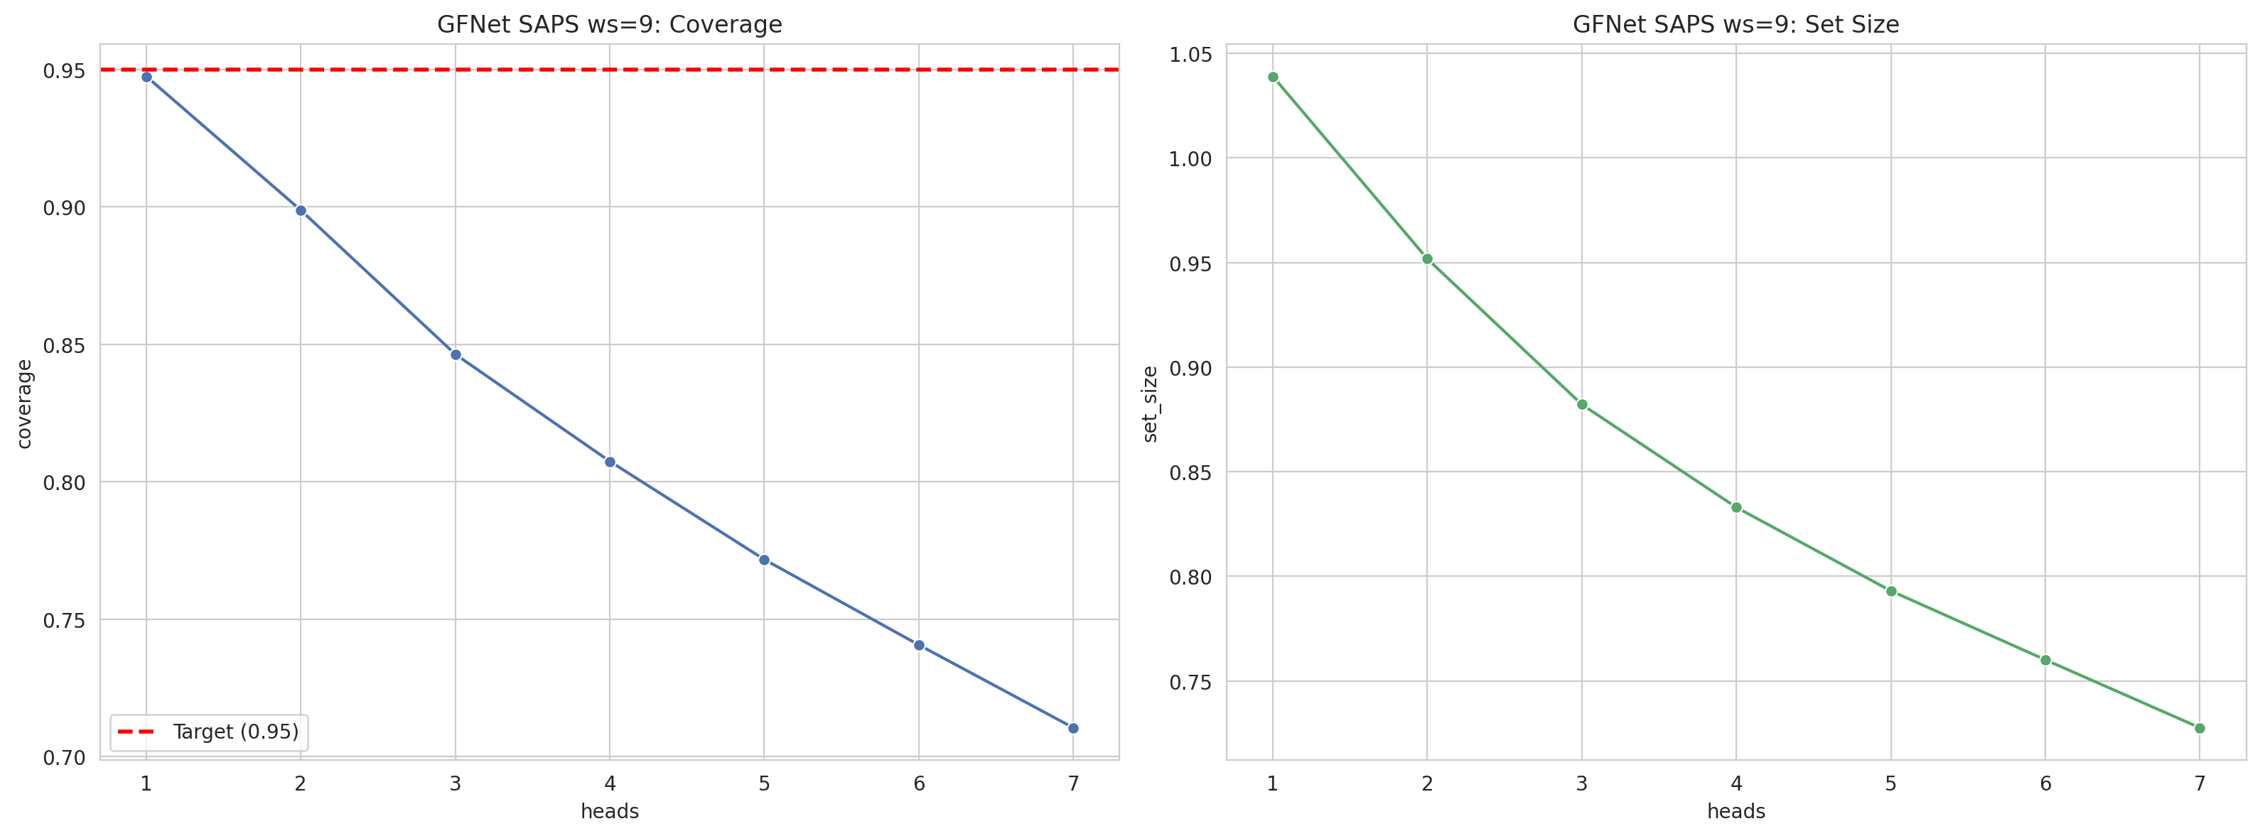
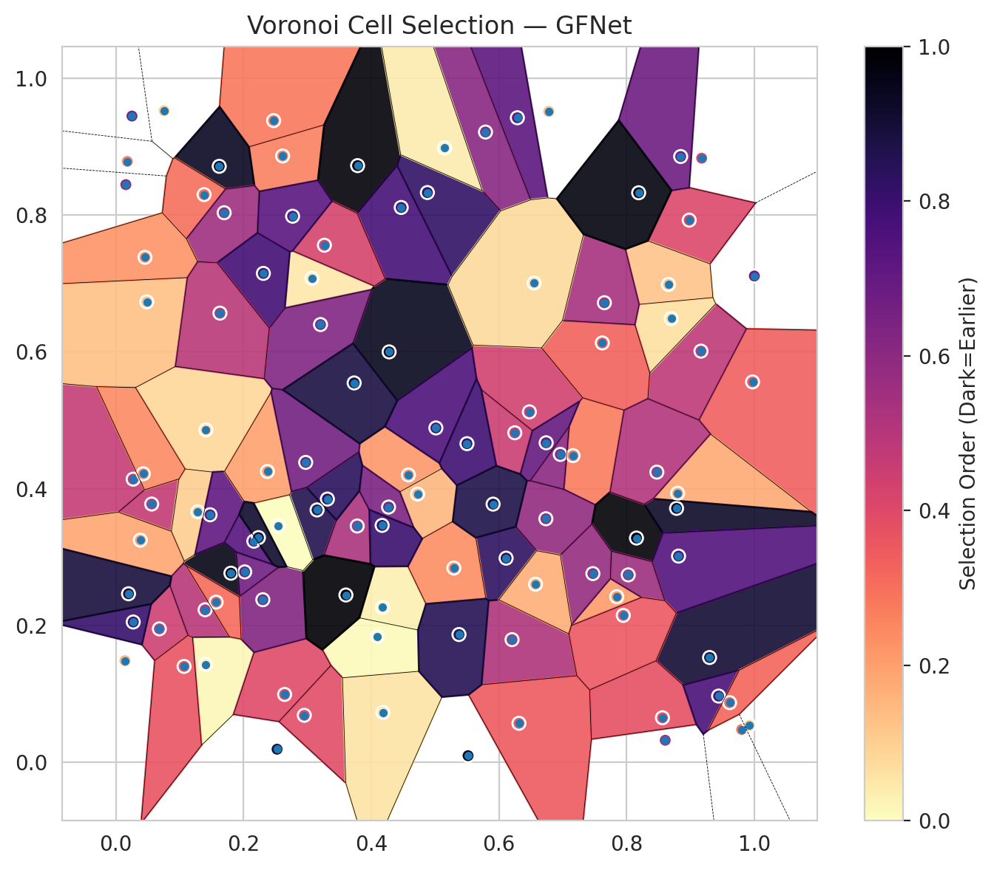
model_key | GFNet_MultiHead
model_name | GFNet
scoring_method | SAPS
window_size | 9
lambda | 0.5
k_iters | 1
empirical_coverage | 0.71044083527
avg_set_size | 0.72761020882
scene_coverage | 0.30983469094
scene_avg_set_size | 1.0396161442
uncertain_pixel_rate | 0.1286842365
mean_per_class_cov | 0.73249331523
runtime_sec | 119.3038496
alpha | 0.05

heads | coverage | set_size |  |  | class_id | class_coverage | support_count | Class | Pixels
1 | 0.9475638051 | 1.0389791183 |  |  | 0 | 0.67286652079 | 914 | Class 0 | 41672
2 | 0.89883990719 | 0.95174013921 |  |  | 1 | 0.72026431718 | 454 | Class 1 | 16027
3 | 0.8464037123 | 0.88213457077 |  |  | 2 | 0.74581005587 | 358 | Class 2 | 16336
4 | 0.80742459397 | 0.83294663573 |  |  | 3 | 0.77564102564 | 156 | Class 3 | 4608
5 | 0.7716937355 | 0.79303944316 |  |  | 4 | 0.75 | 104 | Class 4 | 4249
6 | 0.74060324826 | 0.76009280742 |  |  | 5 | 0.71287128713 | 101 | Class 5 | 3763
7 | 0.71044083527 | 0.72761020882 |  |  | 6 | 0.75 | 68 | Class 6 | 1618
 |  |  |  |  |  |  |  | Uncertain | 13037

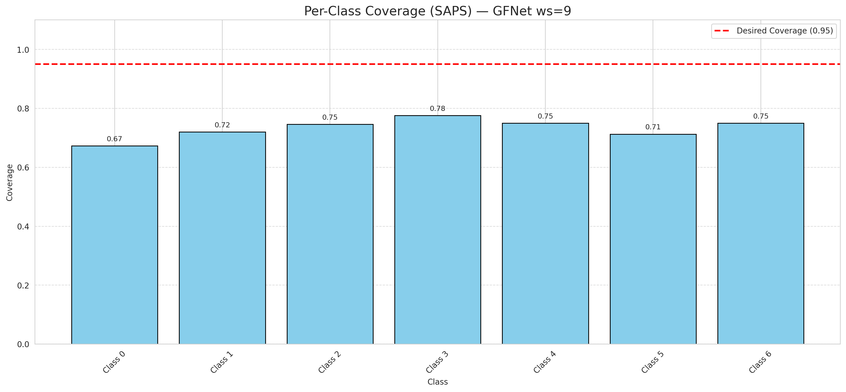

Cell Index | s1 | s2 | Selection_Order | Norm_Order(0-1) | Target
0 | 0.1405 | 0.143 | 2 | 0.018867924528 | 0
1 | 0.307 | 0.7075 | 5 | 0.047169811321 | 0
2 | 0.9971 | 0.556 | 36 | 0.33962264151 | 0
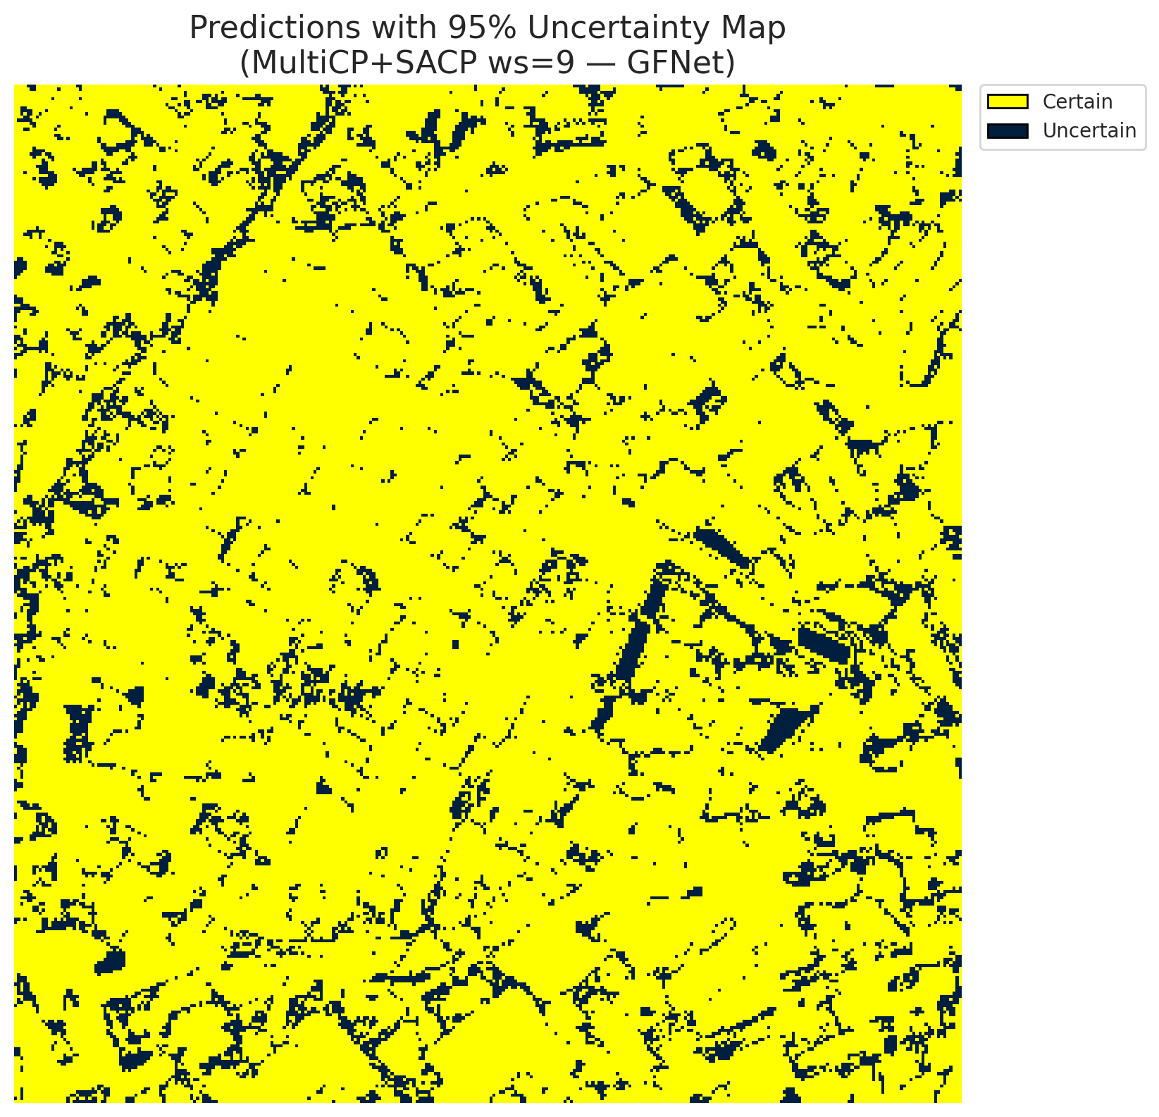
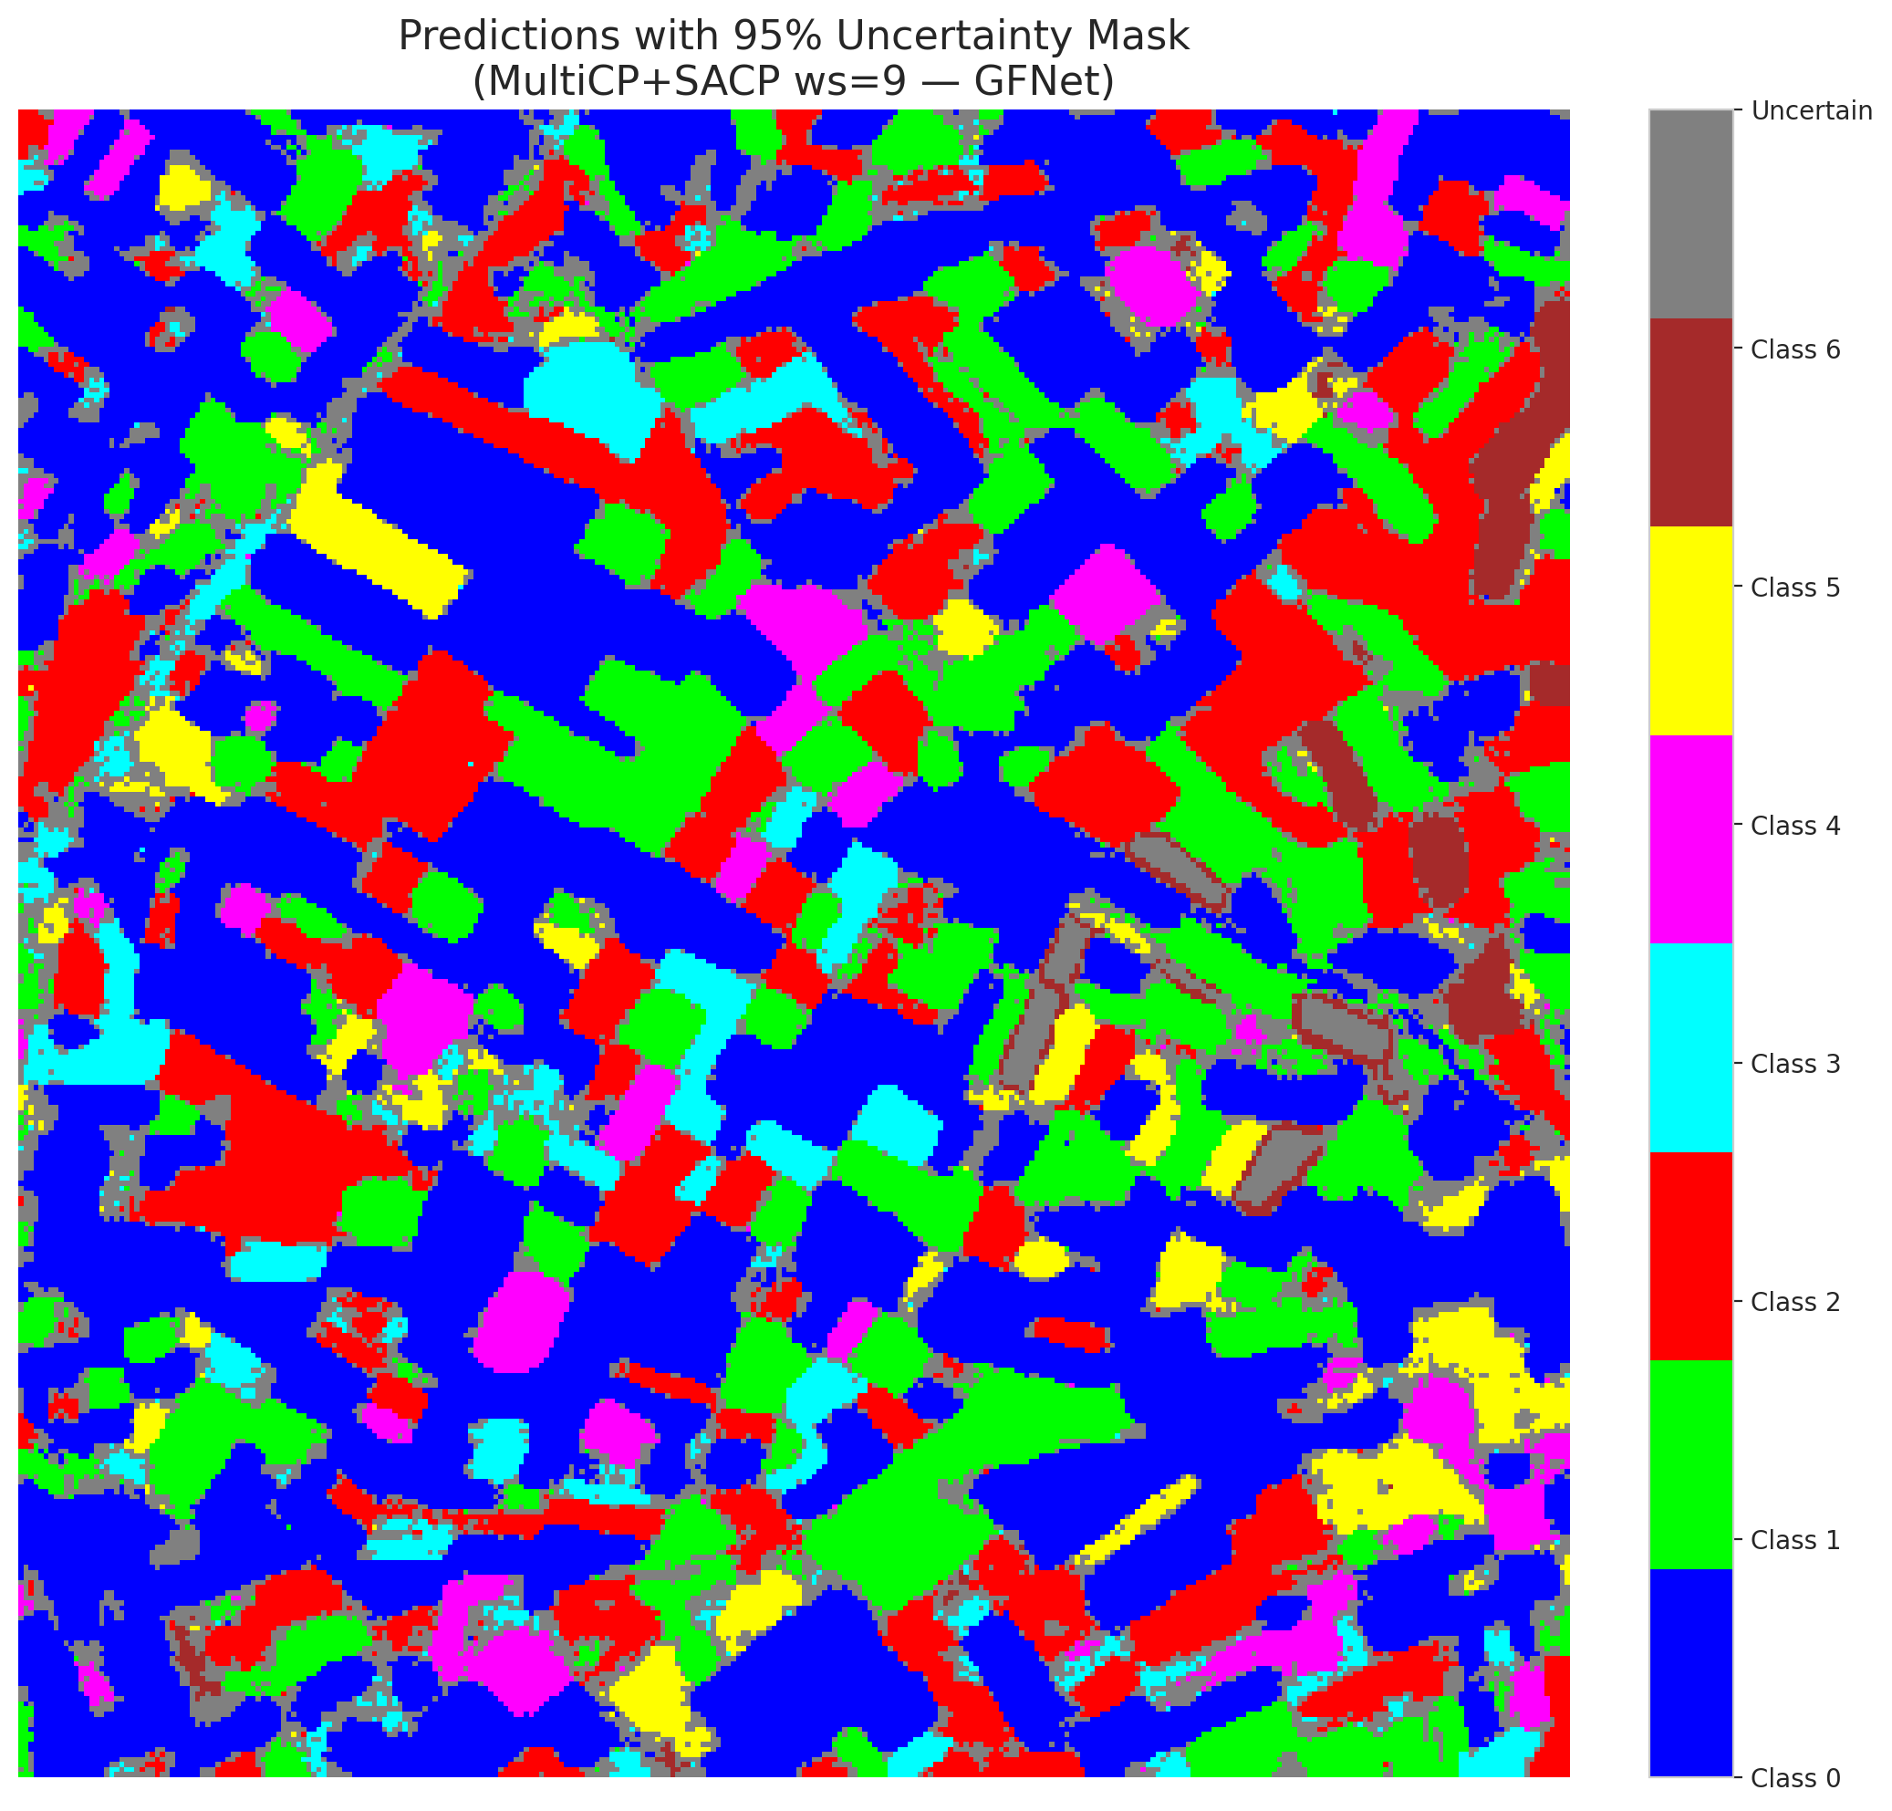
3 | 0.4581 | 0.42 | 23 | 0.21698113208 | 2
4 | 0.6204 | 0.1791 | 55 | 0.51886792453 | 6
5 | 0.2611 | 0.8864 | 28 | 0.2641509434 | 2
6 | 0.6312 | 0.0568 | 37 | 0.34905660377 | 0
7 | 0.8798 | 0.3932 | 19 | 0.17924528302 | 0
8 | 0.4177 | 0.2262 | 3 | 0.028301886792 | 0
9 | 0.7844 | 0.2419 | 22 | 0.20754716981 | 1
10 | 0.6247 | 0.4816 | 48 | 0.45283018868 | 3
11 | 0.247 | 0.9381 | 30 | 0.28301886792 | 0
12 | 0.4094 | 0.1834 | 1 | 0.0094339622642 | 4
13 | 0.027 | 0.4138 | 49 | 0.46226415094 | 0
14 | 0.7159 | 0.4482 | 29 | 0.27358490566 | 5
15 | 0.6111 | 0.2983 | 88 | 0.83018867925 | 0
16 | 0.3785 | 0.8723 | 104 | 0.98113207547 | 1
17 | 0.4878 | 0.8329 | 87 | 0.82075471698 | 0
18 | 0.6734 | 0.3559 | 62 | 0.58490566038 | 2
19 | 0.6779 | 0.9515 | 15 | 0.14150943396 | 3
20 | 0.295 | 0.0685 | 41 | 0.38679245283 | 0
21 | 0.8153 | 0.3277 | 105 | 0.99056603774 | 4
22 | 0.9999 | 0.7109 | 73 | 0.68867924528 | 0
23 | 0.8781 | 0.3711 | 98 | 0.92452830189 | 0
24 | 0.98 | 0.0477 | 31 | 0.29245283019 | 1
25 | 0.1801 | 0.2763 | 102 | 0.96226415094 | 2
26 | 0.2017 | 0.2782 | 71 | 0.66981132075 | 4
27 | 0.9163 | 0.601 | 51 | 0.48113207547 | 1
28 | 0.8697 | 0.6486 | 7 | 0.066037735849 | 0
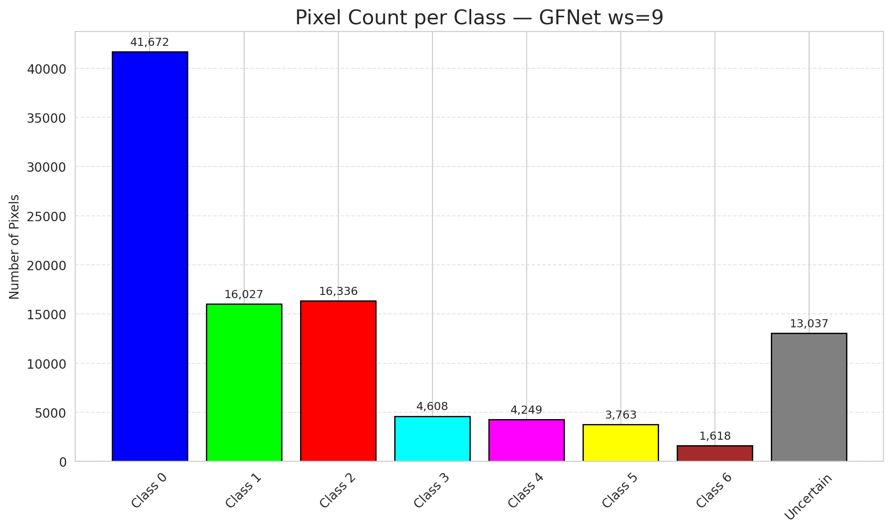
29 | 0.4726 | 0.392 | 16 | 0.15094339623 | 3
30 | 0.9298 | 0.153 | 96 | 0.90566037736 | 0
31 | 0.1618 | 0.8713 | 99 | 0.93396226415 | 1
32 | 0.4468 | 0.8111 | 82 | 0.77358490566 | 6
33 | 0.4279 | 0.5999 | 100 | 0.94339622642 | 0
34 | 0.856 | 0.0649 | 40 | 0.37735849057 | 5
35 | 0.056 | 0.3774 | 50 | 0.47169811321 | 2
36 | 0.1381 | 0.8299 | 32 | 0.30188679245 | 5
37 | 0.9174 | 0.8832 | 44 | 0.41509433962 | 2
38 | 0.1282 | 0.3661 | 11 | 0.10377358491 | 4
39 | 0.141 | 0.4858 | 9 | 0.084905660377 | 1
40 | 0.8812 | 0.3013 | 79 | 0.74528301887 | 0
41 | 0.3265 | 0.7559 | 45 | 0.42452830189 | 0
42 | 0.5293 | 0.2838 | 25 | 0.2358490566 | 0
43 | 0.315 | 0.3688 | 91 | 0.85849056604 | 0
44 | 0.8979 | 0.7926 | 43 | 0.40566037736 | 0
45 | 0.3779 | 0.3453 | 56 | 0.52830188679 | 0
46 | 0.0141 | 0.1483 | 17 | 0.16037735849 | 0
47 | 0.427 | 0.373 | 68 | 0.64150943396 | 1
48 | 0.4169 | 0.3462 | 85 | 0.80188679245 | 0
49 | 0.0484 | 0.6731 | 14 | 0.1320754717 | 2
50 | 0.0155 | 0.8445 | 63 | 0.59433962264 | 0
51 | 0.1695 | 0.8034 | 59 | 0.55660377358 | 0
52 | 0.4182 | 0.0726 | 6 | 0.056603773585 | 6
53 | 0.0382 | 0.3246 | 20 | 0.18867924528 | 3
54 | 0.2642 | 0.099 | 42 | 0.39622641509 | 0
55 | 0.9439 | 0.0966 | 81 | 0.7641509434 | 6
56 | 0.0455 | 0.7382 | 24 | 0.22641509434 | 2
57 | 0.068 | 0.1949 | 47 | 0.44339622642 | 2
58 | 0.747 | 0.2757 | 61 | 0.57547169811 | 0
59 | 0.2309 | 0.7147 | 83 | 0.78301886792 | 2
60 | 0.216 | 0.3231 | 78 | 0.7358490566 | 3
61 | 0.8845 | 0.8856 | 72 | 0.67924528302 | 2
62 | 0.6476 | 0.5122 | 46 | 0.43396226415 | 1
63 | 0.7618 | 0.613 | 35 | 0.33018867925 | 0
64 | 0.1474 | 0.3617 | 75 | 0.70754716981 | 1
65 | 0.2301 | 0.2375 | 66 | 0.62264150943 | 0
66 | 0.3204 | 0.6399 | 67 | 0.6320754717 | 0
67 | 0.6738 | 0.467 | 74 | 0.69811320755 | 2
68 | 0.6287 | 0.9423 | 76 | 0.71698113208 | 0
69 | 0.3602 | 0.2444 | 106 | 1 | 0
70 | 0.2767 | 0.7983 | 77 | 0.72641509434 | 1
71 | 0.5011 | 0.4887 | 80 | 0.75471698113 | 5
72 | 0.0179 | 0.8785 | 27 | 0.25471698113 | 2
73 | 0.696 | 0.45 | 64 | 0.60377358491 | 0
74 | 0.8603 | 0.032 | 58 | 0.54716981132 | 2
75 | 0.1397 | 0.2228 | 53 | 0.5 | 5
76 | 0.6572 | 0.2602 | 18 | 0.16981132075 | 1
77 | 0.2545 | 0.3457 | 0 | 0 | 3
78 | 0.3312 | 0.3847 | 89 | 0.83962264151 | 0
79 | 0.0754 | 0.9525 | 12 | 0.11320754717 | 0
80 | 0.8024 | 0.2738 | 60 | 0.56603773585 | 1
81 | 0.2373 | 0.4251 | 21 | 0.19811320755 | 1
82 | 0.7946 | 0.2146 | 38 | 0.35849056604 | 6
83 | 0.1569 | 0.234 | 33 | 0.31132075472 | 1
84 | 0.9612 | 0.087 | 34 | 0.32075471698 | 1
85 | 0.2232 | 0.3283 | 97 | 0.91509433962 | 2
86 | 0.5498 | 0.4657 | 84 | 0.79245283019 | 0
87 | 0.8654 | 0.6985 | 13 | 0.12264150943 | 0
88 | 0.5788 | 0.9214 | 65 | 0.61320754717 | 0
89 | 0.2972 | 0.4383 | 70 | 0.66037735849 | 1
90 | 0.5373 | 0.1866 | 90 | 0.84905660377 | 2
91 | 0.765 | 0.6718 | 57 | 0.53773584906 | 0
92 | 0.1067 | 0.14 | 39 | 0.3679245283 | 0
93 | 0.5147 | 0.8981 | 4 | 0.037735849057 | 4
94 | 0.2524 | 0.0189 | 95 | 0.89622641509 | 1
95 | 0.0271 | 0.2049 | 86 | 0.81132075472 | 0
96 | 0.3731 | 0.5545 | 93 | 0.87735849057 | 2
97 | 0.0197 | 0.2462 | 94 | 0.88679245283 | 0
98 | 0.9921 | 0.0539 | 10 | 0.094339622642 | 0
99 | 0.1629 | 0.6566 | 52 | 0.49056603774 | 1
100 | 0.8472 | 0.4241 | 54 | 0.50943396226 | 3
101 | 0.5515 | 0.0094 | 101 | 0.95283018868 | 3
102 | 0.5907 | 0.3773 | 92 | 0.8679245283 | 6
103 | 0.0429 | 0.4217 | 26 | 0.24528301887 | 0
104 | 0.0251 | 0.9448 | 69 | 0.65094339623 | 4
105 | 0.6549 | 0.7006 | 8 | 0.075471698113 | 1
106 | 0.8187 | 0.8326 | 103 | 0.97169811321 | 0

ViT_RAPS_ws9
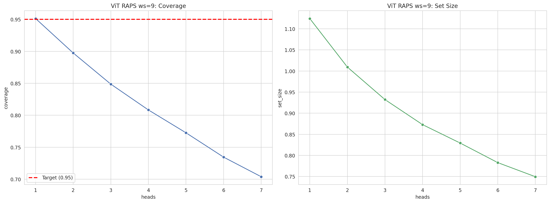
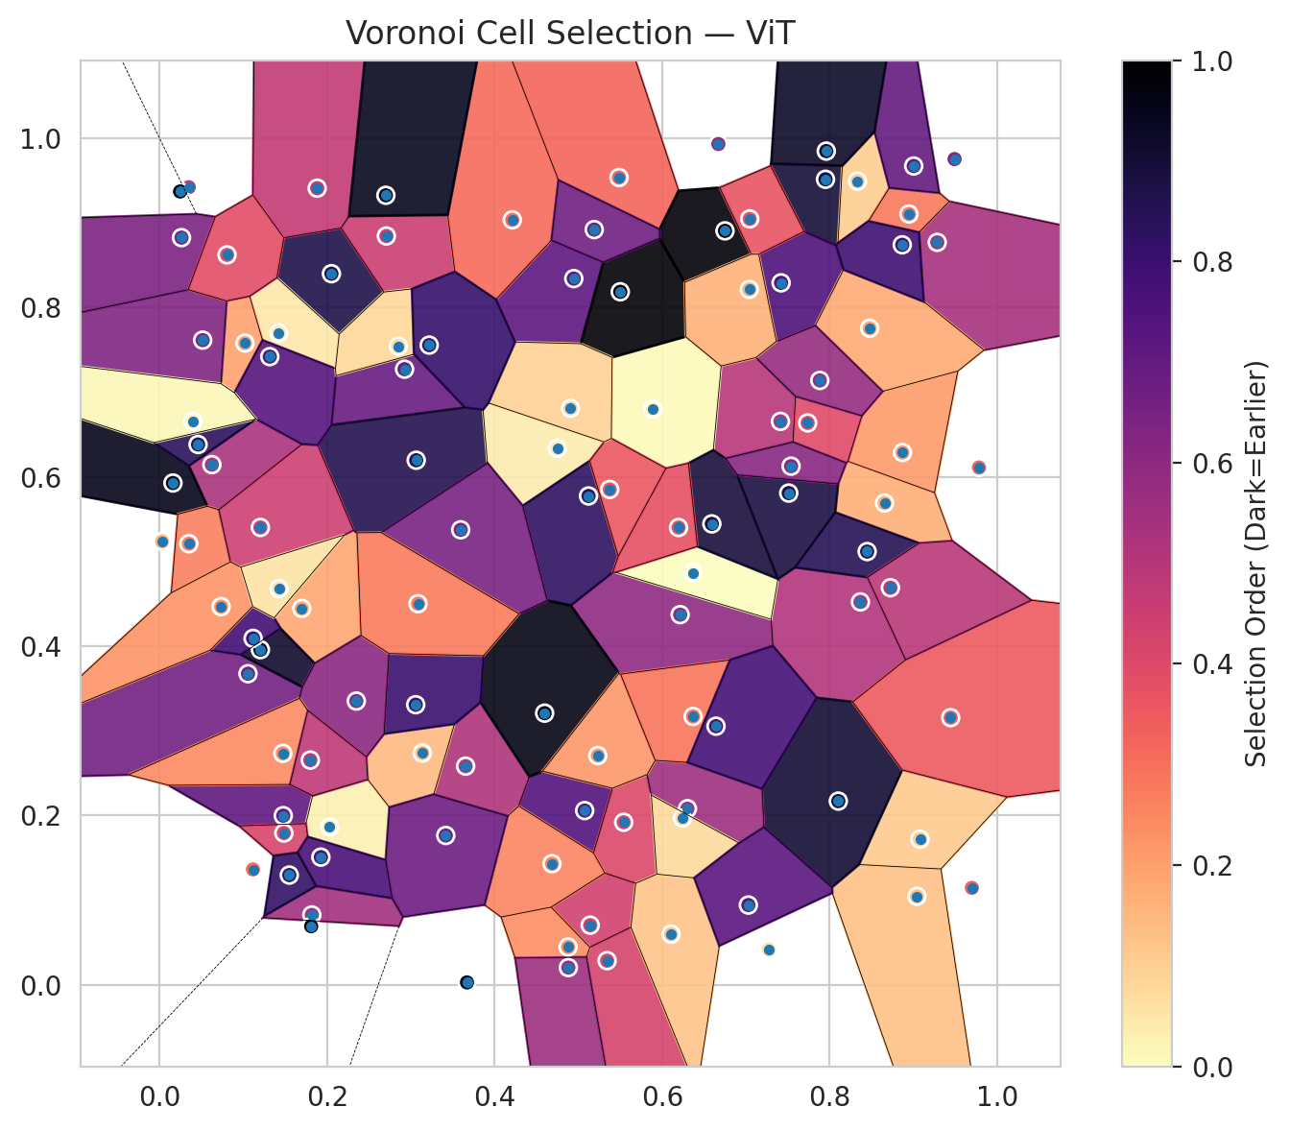
model_key | ViT_UNet_MultiHead
model_name | ViT
scoring_method | RAPS
window_size | 9
lambda | 0.5
k_iters | 1
empirical_coverage | 0.70394431555
avg_set_size | 0.7494199536
scene_coverage | 0.37122664111
scene_avg_set_size | 1.3699723124
uncertain_pixel_rate | 0.36443588984
mean_per_class_cov | 0.73599917629
runtime_sec | 112.04525562
alpha | 0.05

heads | coverage | set_size |  |  | class_id | class_coverage | support_count | Class | Pixels
1 | 0.95127610209 | 1.124361949 |  |  | 0 | 0.63566739606 | 914 | Class 0 | 32576
2 | 0.89744779582 | 1.0092807425 |  |  | 1 | 0.7422907489 | 454 | Class 1 | 10595
3 | 0.84872389791 | 0.93225058005 |  |  | 2 | 0.77374301676 | 358 | Class 2 | 11827
4 | 0.80835266821 | 0.87285382831 |  |  | 3 | 0.78205128205 | 156 | Class 3 | 3786
5 | 0.77262180974 | 0.82923433875 |  |  | 4 | 0.72115384615 | 104 | Class 4 | 2419
6 | 0.73457076566 | 0.78283062645 |  |  | 5 | 0.70297029703 | 101 | Class 5 | 2153
7 | 0.70394431555 | 0.7494199536 |  |  | 6 | 0.79411764706 | 68 | Class 6 | 1033
 |  |  |  |  |  |  |  | Uncertain | 36921

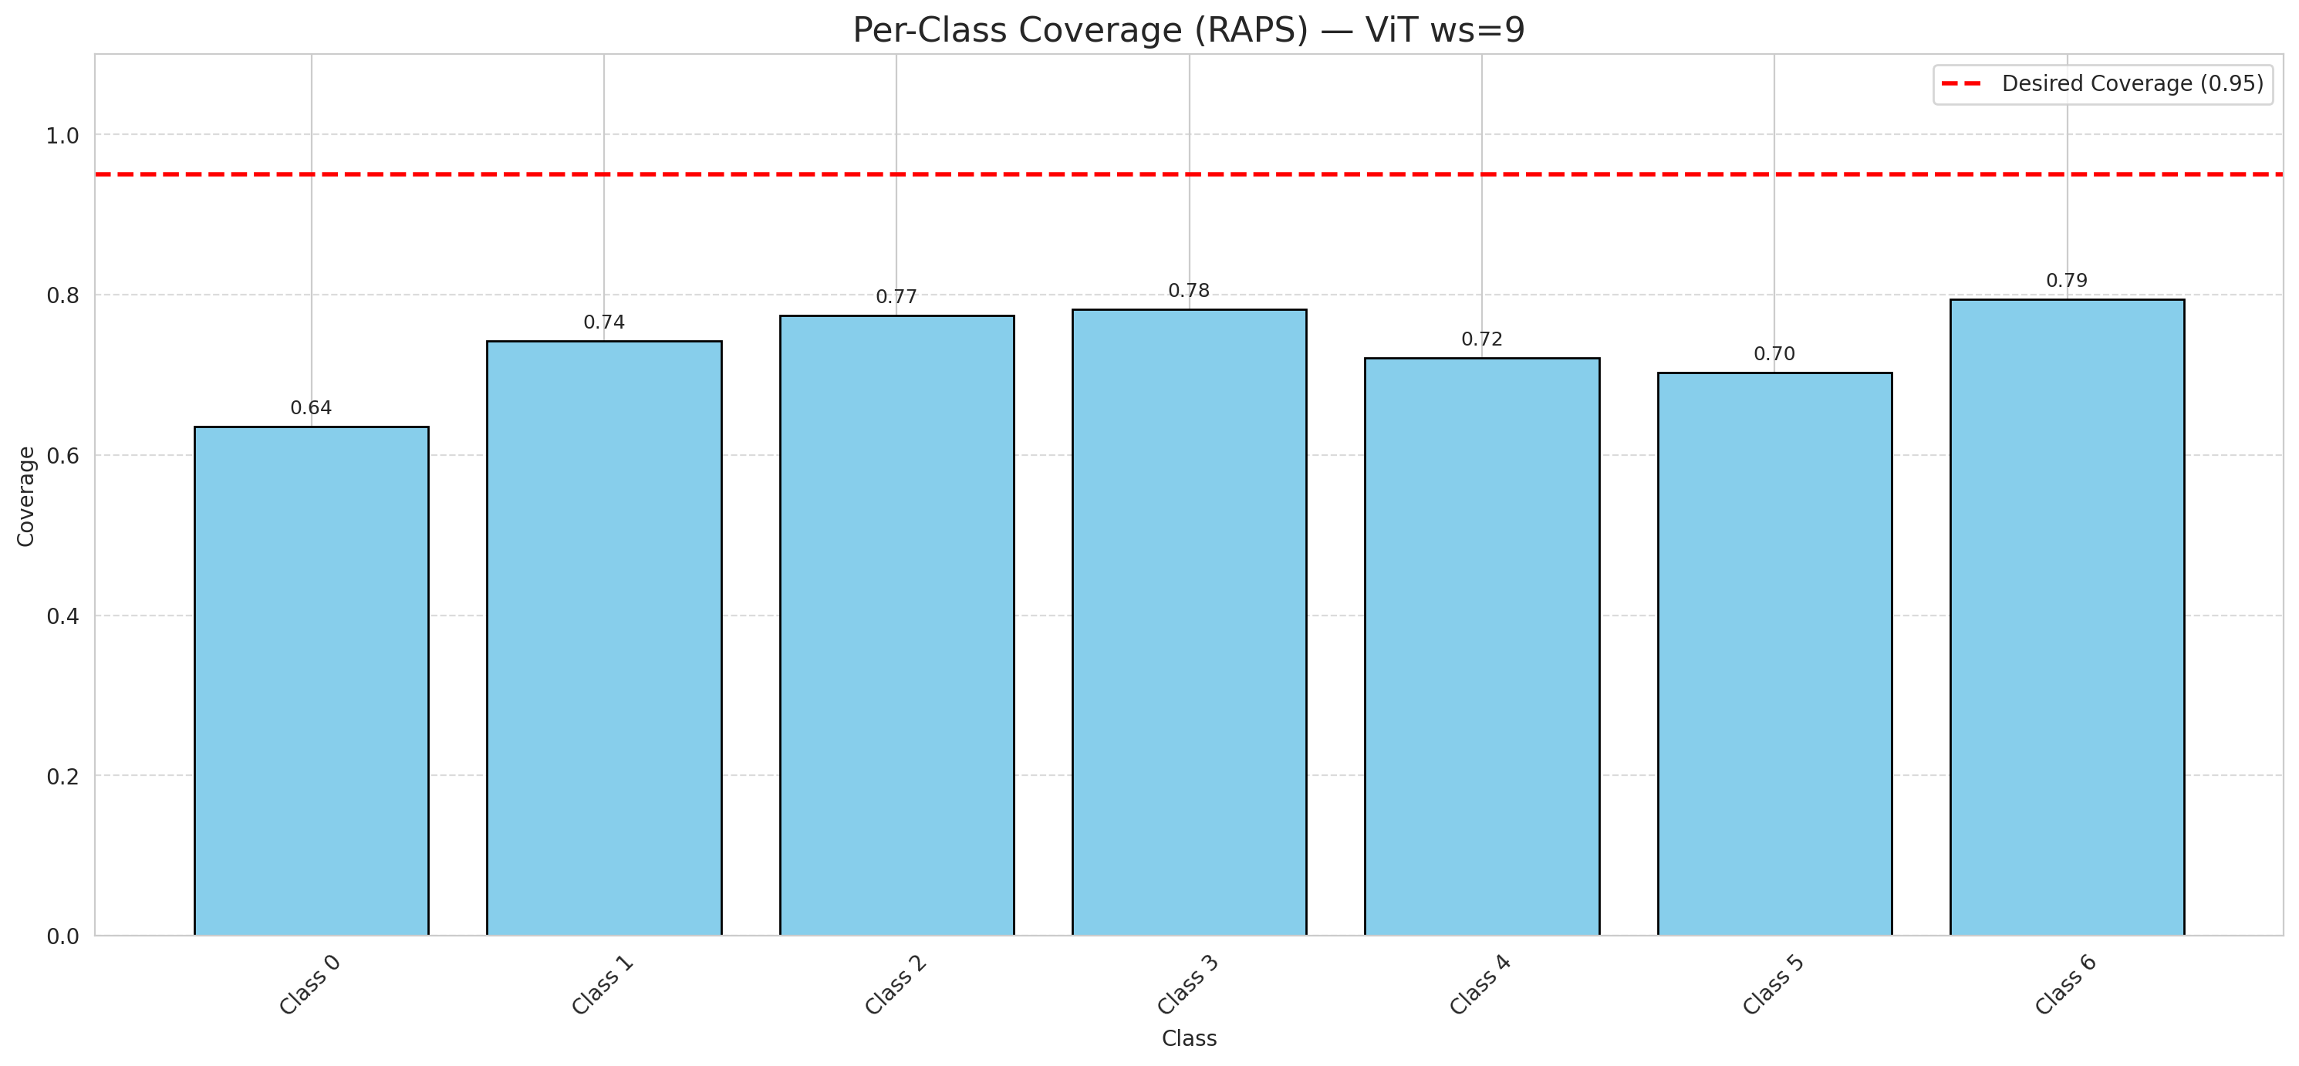

Cell Index | s1 | s2 | Selection_Order | Norm_Order(0-1) | Target
0 | 0.6215 | 0.4372 | 63 | 0.59433962264 | 0
1 | 0.8655 | 0.569 | 18 | 0.16981132075 | 0
2 | 0.2052 | 0.84 | 92 | 0.8679245283 | 0
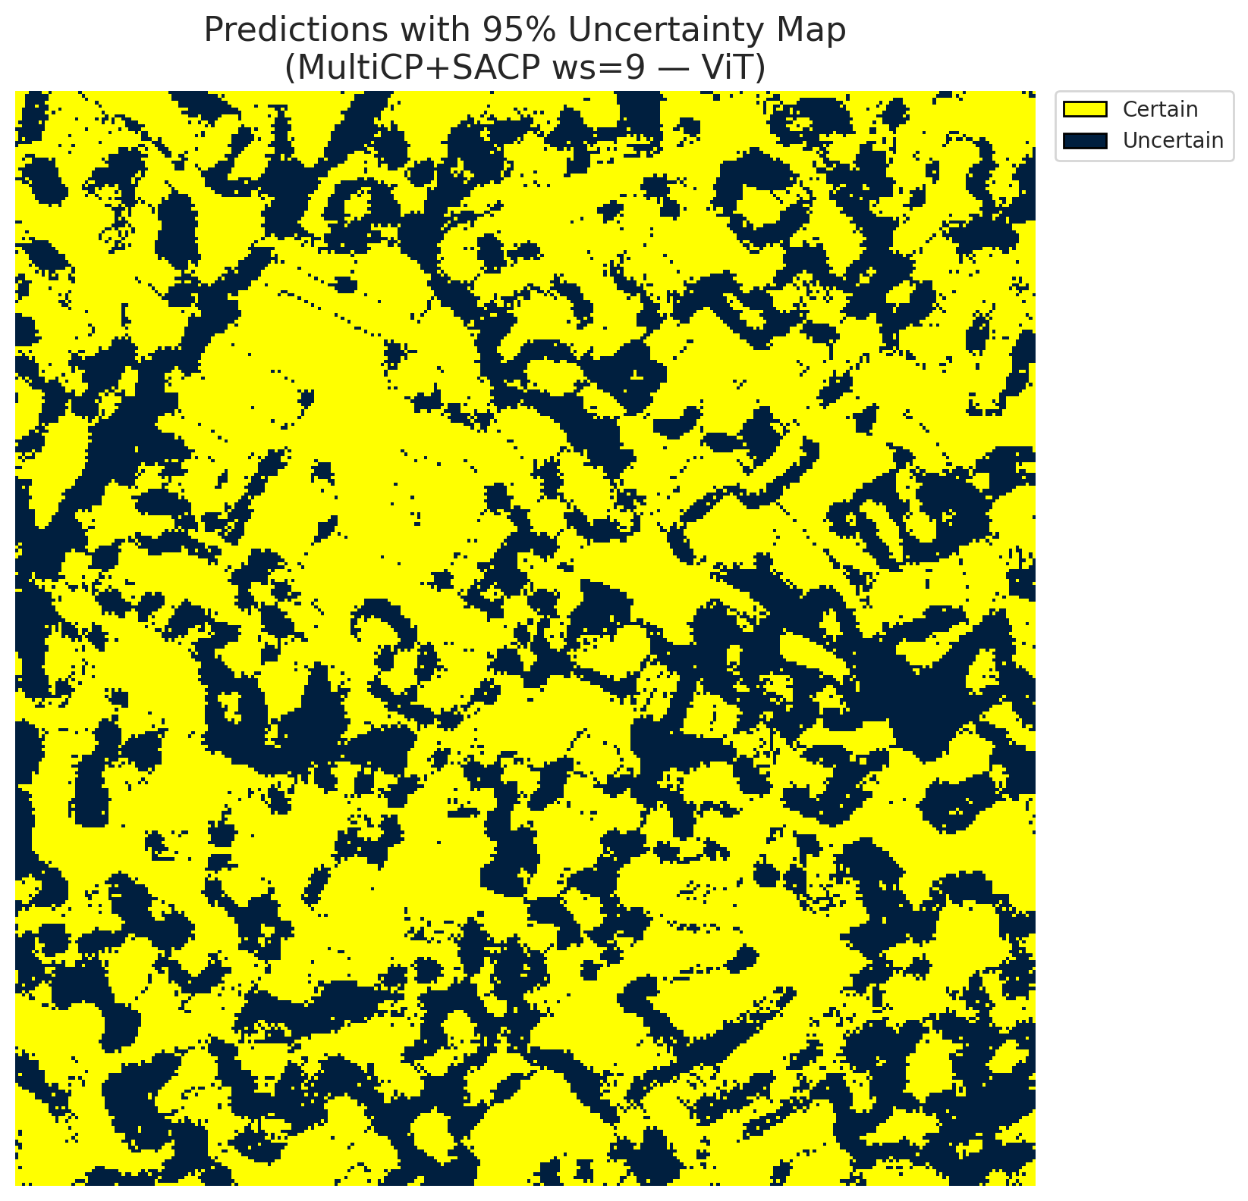
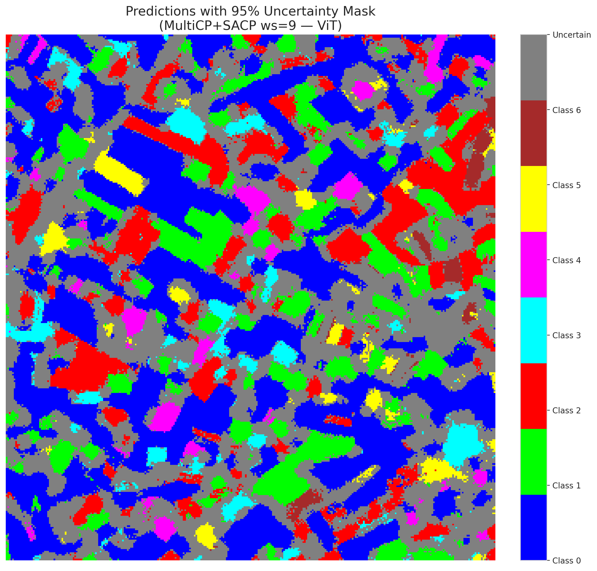
3 | 0.7412 | 0.6655 | 53 | 0.5 | 2
4 | 0.5485 | 0.9536 | 34 | 0.32075471698 | 6
5 | 0.8367 | 0.4522 | 54 | 0.50943396226 | 2
6 | 0.1056 | 0.3674 | 70 | 0.66037735849 | 0
7 | 0.4945 | 0.8342 | 76 | 0.71698113208 | 0
8 | 0.1698 | 0.4445 | 20 | 0.18867924528 | 0
9 | 0.0625 | 0.6144 | 56 | 0.52830188679 | 1
10 | 0.1818 | 0.0824 | 58 | 0.54716981132 | 3
11 | 0.9078 | 0.1719 | 12 | 0.11320754717 | 0
12 | 0.675 | 0.8906 | 104 | 0.98113207547 | 4
13 | 0.5075 | 0.2057 | 79 | 0.74528301887 | 0
14 | 0.1424 | 0.77 | 5 | 0.047169811321 | 5
15 | 0.2708 | 0.8845 | 48 | 0.45283018868 | 0
16 | 0.1477 | 0.1997 | 75 | 0.70754716981 | 1
17 | 0.016 | 0.5927 | 101 | 0.95283018868 | 0
18 | 0.9491 | 0.9754 | 66 | 0.62264150943 | 2
19 | 0.3654 | 0.2582 | 55 | 0.51886792453 | 3
20 | 0.795 | 0.9515 | 95 | 0.89622641509 | 0
21 | 0.102 | 0.758 | 21 | 0.19811320755 | 4
22 | 0.2925 | 0.7272 | 73 | 0.68867924528 | 0
23 | 0.1204 | 0.3958 | 97 | 0.91509433962 | 0
24 | 0.2031 | 0.1863 | 3 | 0.028301886792 | 1
25 | 0.5141 | 0.0703 | 46 | 0.43396226415 | 2
26 | 0.5541 | 0.1919 | 43 | 0.40566037736 | 4
27 | 0.8869 | 0.6287 | 22 | 0.20754716981 | 1
28 | 0.5887 | 0.6799 | 1 | 0.0094339622642 | 0
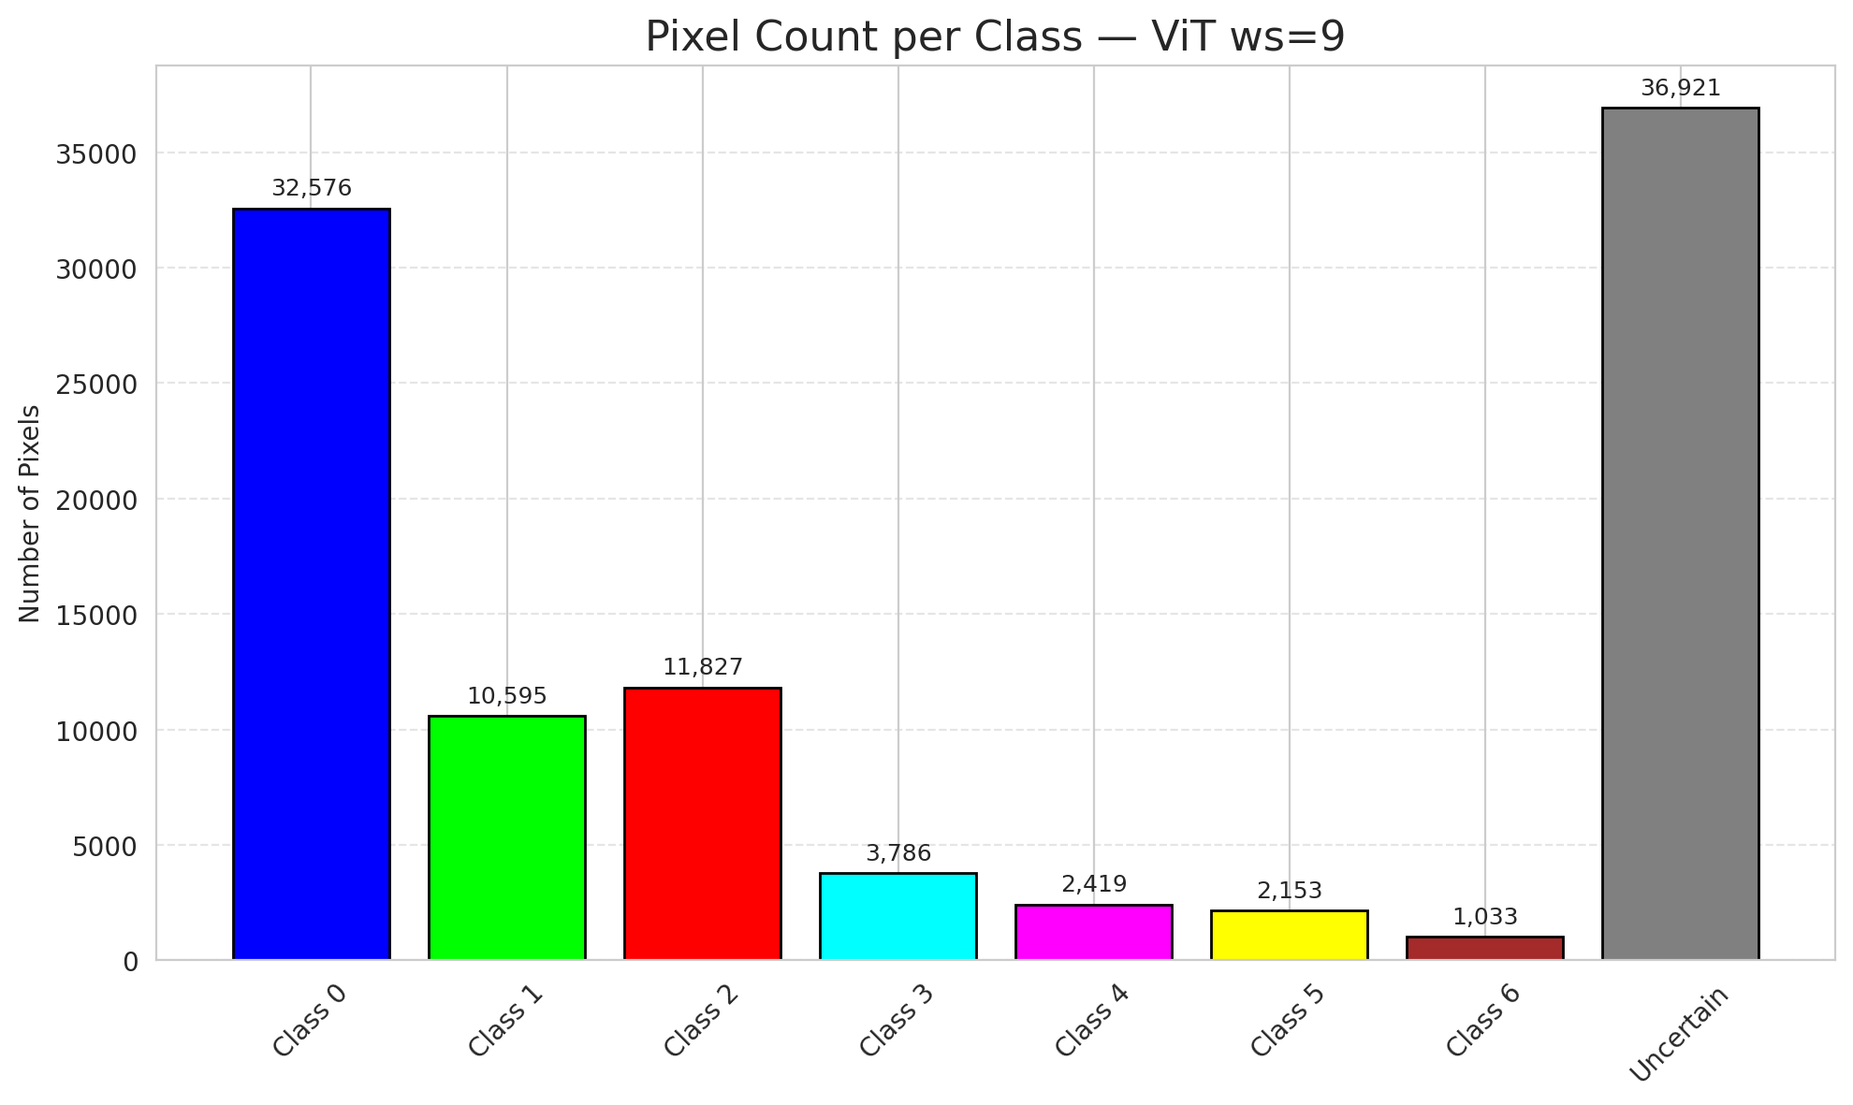
29 | 0.4685 | 0.1429 | 27 | 0.25471698113 | 3
30 | 0.035 | 0.521 | 28 | 0.2641509434 | 0
31 | 0.0262 | 0.8826 | 68 | 0.64150943396 | 1
32 | 0.1882 | 0.941 | 50 | 0.47169811321 | 6
33 | 0.1115 | 0.1362 | 32 | 0.30188679245 | 0
34 | 0.6671 | 0.9932 | 62 | 0.58490566038 | 5
35 | 0.5343 | 0.0284 | 45 | 0.42452830189 | 2
36 | 0.3064 | 0.6196 | 91 | 0.85849056604 | 5
37 | 0.4748 | 0.6336 | 4 | 0.037735849057 | 2
38 | 0.5121 | 0.5774 | 88 | 0.83018867925 | 4
39 | 0.046 | 0.6382 | 89 | 0.83962264151 | 1
40 | 0.8447 | 0.5117 | 90 | 0.84905660377 | 0
41 | 0.1117 | 0.4091 | 83 | 0.78301886792 | 0
42 | 0.7273 | 0.0414 | 7 | 0.066037735849 | 0
43 | 0.742 | 0.8292 | 80 | 0.75471698113 | 0
44 | 0.0349 | 0.9422 | 49 | 0.46226415094 | 0
45 | 0.9284 | 0.877 | 57 | 0.53773584906 | 0
46 | 0.8332 | 0.9493 | 11 | 0.10377358491 | 0
47 | 0.9042 | 0.1044 | 14 | 0.1320754717 | 1
48 | 0.4211 | 0.9036 | 33 | 0.31132075472 | 0
49 | 0.2702 | 0.9326 | 100 | 0.94339622642 | 2
50 | 0.9697 | 0.1144 | 36 | 0.33962264151 | 0
51 | 0.1204 | 0.5402 | 47 | 0.44339622642 | 0
52 | 0.1484 | 0.1792 | 44 | 0.41509433962 | 6
53 | 0.8477 | 0.7755 | 19 | 0.17924528302 | 3
54 | 0.8946 | 0.9105 | 30 | 0.28301886792 | 0
55 | 0.8103 | 0.2169 | 96 | 0.90566037736 | 6
56 | 0.8866 | 0.8741 | 84 | 0.79245283019 | 2
57 | 0.7737 | 0.6637 | 42 | 0.39622641509 | 2
58 | 0.6363 | 0.4867 | 0 | 0 | 0
59 | 0.4877 | 0.0445 | 25 | 0.2358490566 | 2
60 | 0.0515 | 0.7615 | 67 | 0.6320754717 | 3
61 | 0.3137 | 0.2736 | 15 | 0.14150943396 | 2
62 | 0.1316 | 0.742 | 78 | 0.7358490566 | 1
63 | 0.7882 | 0.7139 | 61 | 0.57547169811 | 0
64 | 0.181 | 0.0691 | 106 | 1 | 1
65 | 0.1926 | 0.1507 | 81 | 0.7641509434 | 0
66 | 0.55 | 0.8186 | 105 | 0.99056603774 | 0
67 | 0.5374 | 0.5851 | 38 | 0.35849056604 | 2
68 | 0.4597 | 0.3208 | 102 | 0.96226415094 | 0
69 | 0.3058 | 0.3308 | 85 | 0.80188679245 | 0
70 | 0.7045 | 0.9047 | 39 | 0.3679245283 | 1
71 | 0.2349 | 0.3351 | 64 | 0.60377358491 | 5
72 | 0.0031 | 0.5237 | 16 | 0.15094339623 | 2
73 | 0.6302 | 0.2079 | 59 | 0.55660377358 | 0
74 | 0.2851 | 0.7544 | 9 | 0.084905660377 | 2
75 | 0.9444 | 0.3155 | 37 | 0.34905660377 | 5
76 | 0.9003 | 0.9672 | 74 | 0.69811320755 | 1
77 | 0.0398 | 0.6654 | 2 | 0.018867924528 | 3
78 | 0.0735 | 0.4466 | 24 | 0.22641509434 | 0
79 | 0.4906 | 0.6809 | 10 | 0.094339622642 | 0
80 | 0.704 | 0.8214 | 17 | 0.16037735849 | 1
81 | 0.5189 | 0.8921 | 71 | 0.66981132075 | 1
82 | 0.1472 | 0.2733 | 26 | 0.24528301887 | 6
83 | 0.9782 | 0.611 | 35 | 0.33018867925 | 1
84 | 0.6106 | 0.0597 | 13 | 0.12264150943 | 1
85 | 0.6242 | 0.1968 | 8 | 0.075471698113 | 2
86 | 0.367 | 0.0027 | 99 | 0.93396226415 | 0
87 | 0.6593 | 0.5444 | 94 | 0.88679245283 | 0
88 | 0.6196 | 0.5401 | 40 | 0.37735849057 | 0
89 | 0.7511 | 0.5808 | 93 | 0.87735849057 | 1
90 | 0.3595 | 0.5374 | 69 | 0.65094339623 | 2
91 | 0.7029 | 0.0941 | 77 | 0.72641509434 | 0
92 | 0.8725 | 0.469 | 52 | 0.49056603774 | 0
93 | 0.1427 | 0.4678 | 6 | 0.056603773585 | 4
94 | 0.3086 | 0.4501 | 29 | 0.27358490566 | 1
95 | 0.3219 | 0.7556 | 86 | 0.81132075472 | 0
96 | 0.5232 | 0.2707 | 23 | 0.21698113208 | 2
97 | 0.7539 | 0.6126 | 65 | 0.61320754717 | 0
98 | 0.1549 | 0.1295 | 87 | 0.82075471698 | 0
99 | 0.3417 | 0.1763 | 72 | 0.67924528302 | 1
100 | 0.0245 | 0.9371 | 103 | 0.97169811321 | 3
101 | 0.0806 | 0.8622 | 41 | 0.38679245283 | 3
102 | 0.6369 | 0.3169 | 31 | 0.29245283019 | 6
103 | 0.18 | 0.2653 | 51 | 0.48113207547 | 0
104 | 0.7959 | 0.9848 | 98 | 0.92452830189 | 4
105 | 0.488 | 0.0202 | 60 | 0.56603773585 | 1
106 | 0.6643 | 0.3054 | 82 | 0.77358490566 | 0

ViT_SAPS_ws9
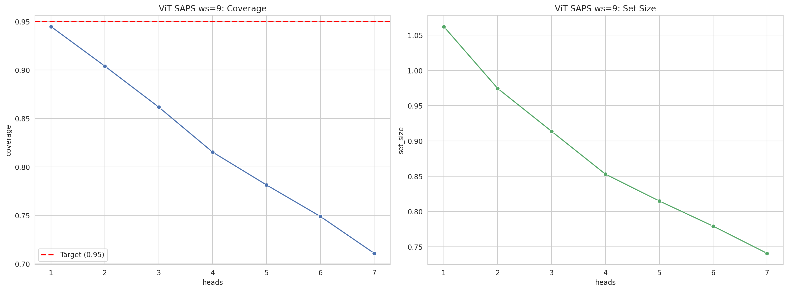
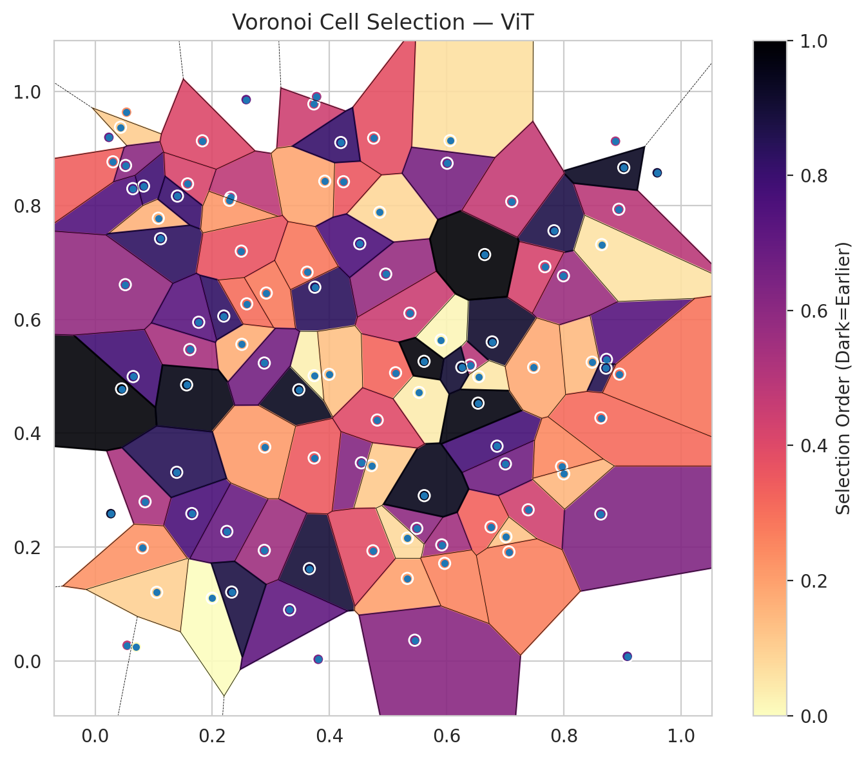
model_key | ViT_UNet_MultiHead
model_name | ViT
scoring_method | SAPS
window_size | 9
lambda | 0.5
k_iters | 1
empirical_coverage | 0.71090487239
avg_set_size | 0.74060324826
scene_coverage | 0.3108528989
scene_avg_set_size | 1.0885508152
uncertain_pixel_rate | 0.16793011549
mean_per_class_cov | 0.73389396943
runtime_sec | 112.77247524
alpha | 0.05

heads | coverage | set_size |  |  | class_id | class_coverage | support_count | Class | Pixels
1 | 0.94477958237 | 1.0621809745 |  |  | 0 | 0.66739606127 | 914 | Class 0 | 38714
2 | 0.90394431555 | 0.97447795824 |  |  | 1 | 0.72026431718 | 454 | Class 1 | 14546
3 | 0.86171693735 | 0.91368909513 |  |  | 2 | 0.75977653631 | 358 | Class 2 | 15767
4 | 0.81531322506 | 0.85290023202 |  |  | 3 | 0.82051282051 | 156 | Class 3 | 6169
5 | 0.78143851508 | 0.81484918794 |  |  | 4 | 0.70192307692 | 104 | Class 4 | 3540
6 | 0.74895591647 | 0.77911832947 |  |  | 5 | 0.67326732673 | 101 | Class 5 | 3978
7 | 0.71090487239 | 0.74060324826 |  |  | 6 | 0.79411764706 | 68 | Class 6 | 1583
 |  |  |  |  |  |  |  | Uncertain | 17013

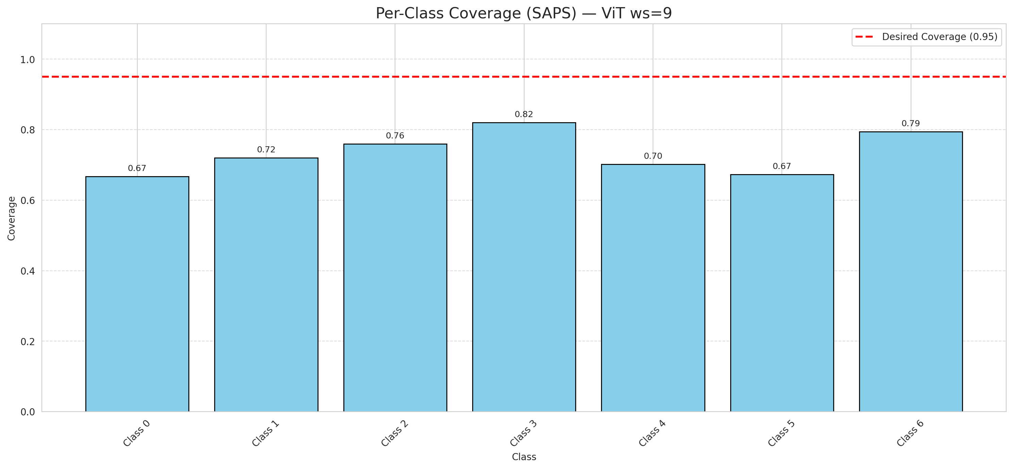

Cell Index | s1 | s2 | Selection_Order | Norm_Order(0-1) | Target
0 | 0.8725 | 0.5297 | 78 | 0.7358490566 | 0
1 | 0.4543 | 0.3479 | 66 | 0.62264150943 | 0
2 | 0.6858 | 0.3772 | 82 | 0.77358490566 | 0
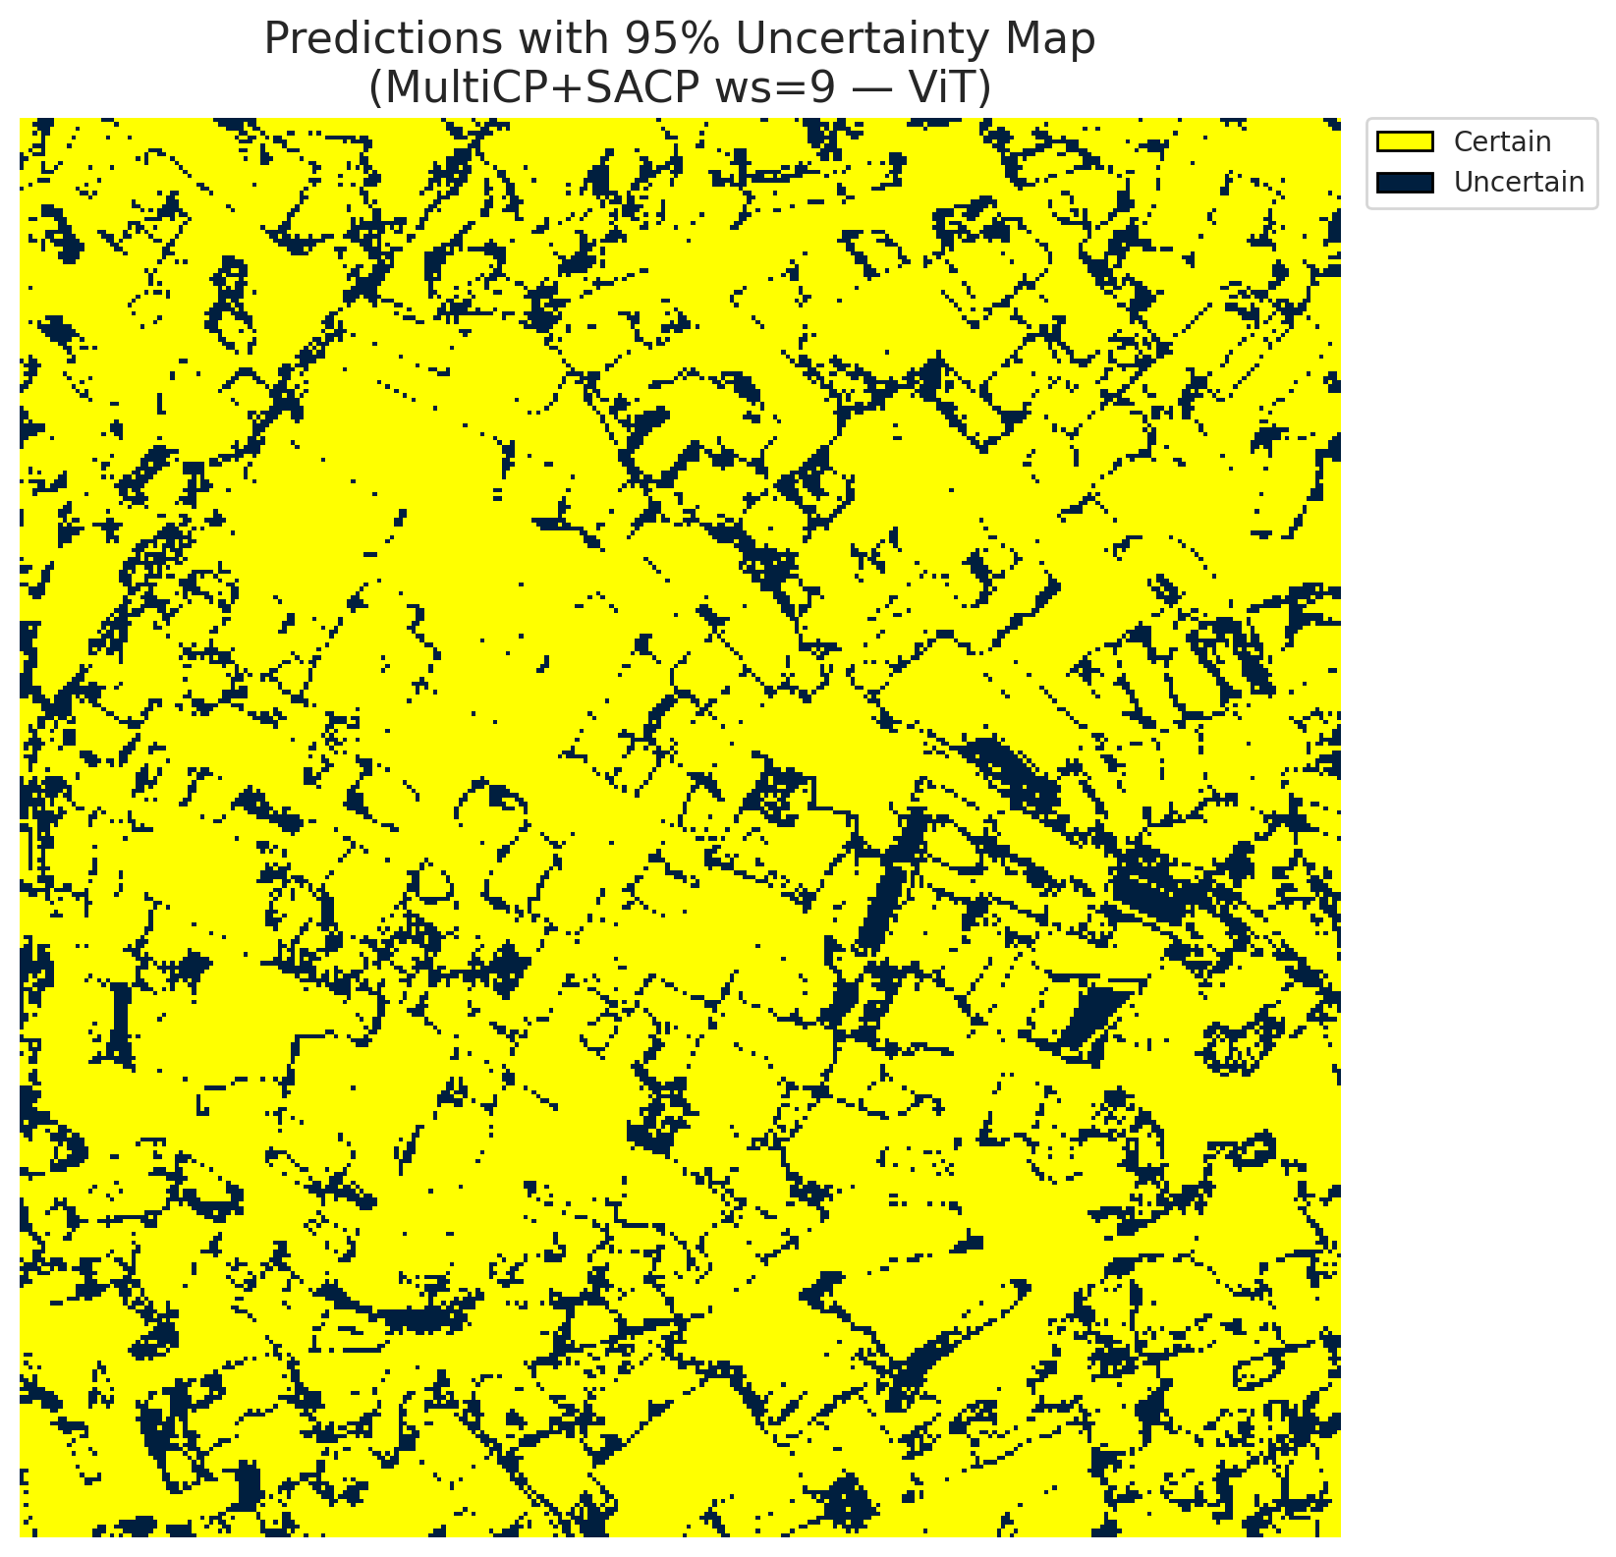
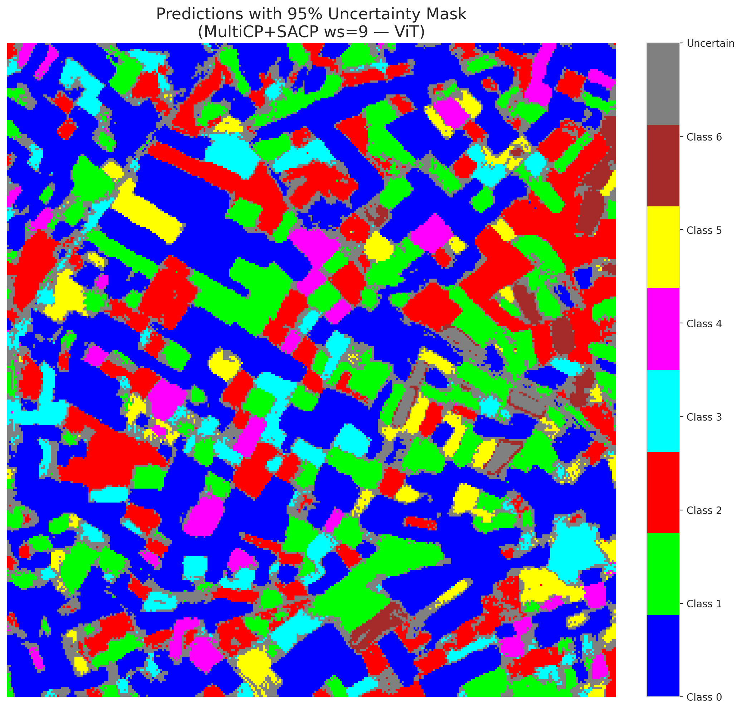
3 | 0.5127 | 0.5062 | 34 | 0.32075471698 | 2
4 | 0.3749 | 0.6566 | 89 | 0.83962264151 | 6
5 | 0.0827 | 0.8343 | 84 | 0.79245283019 | 2
6 | 0.1578 | 0.8381 | 44 | 0.41509433962 | 0
7 | 0.2504 | 0.5561 | 18 | 0.16981132075 | 0
8 | 0.1651 | 0.2588 | 81 | 0.7641509434 | 0
9 | 0.6399 | 0.5196 | 53 | 0.5 | 1
10 | 0.0853 | 0.2797 | 56 | 0.52830188679 | 3
11 | 0.3733 | 0.9786 | 47 | 0.44339622642 | 0
12 | 0.2921 | 0.6463 | 29 | 0.27358490566 | 4
13 | 0.5489 | 0.2327 | 63 | 0.59433962264 | 0
14 | 0.8481 | 0.5248 | 15 | 0.14150943396 | 5
15 | 0.378 | 0.9914 | 55 | 0.51886792453 | 0
16 | 0.7389 | 0.2654 | 46 | 0.43396226415 | 1
17 | 0.4856 | 0.7882 | 9 | 0.084905660377 | 0
18 | 0.6776 | 0.5604 | 97 | 0.91509433962 | 2
19 | 0.4959 | 0.6796 | 61 | 0.57547169811 | 3
20 | 0.5372 | 0.6109 | 48 | 0.45283018868 | 0
21 | 0.6546 | 0.4994 | 5 | 0.047169811321 | 4
22 | 0.1998 | 0.1101 | 0 | 0 | 0
23 | 0.0806 | 0.1986 | 24 | 0.22641509434 | 0
24 | 0.5903 | 0.5638 | 2 | 0.018867924528 | 1
25 | 0.3476 | 0.4763 | 100 | 0.94339622642 | 2
26 | 0.3656 | 0.162 | 95 | 0.89622641509 | 4
27 | 0.0547 | 0.0273 | 50 | 0.47169811321 | 1
28 | 0.065 | 0.4995 | 83 | 0.78301886792 | 0
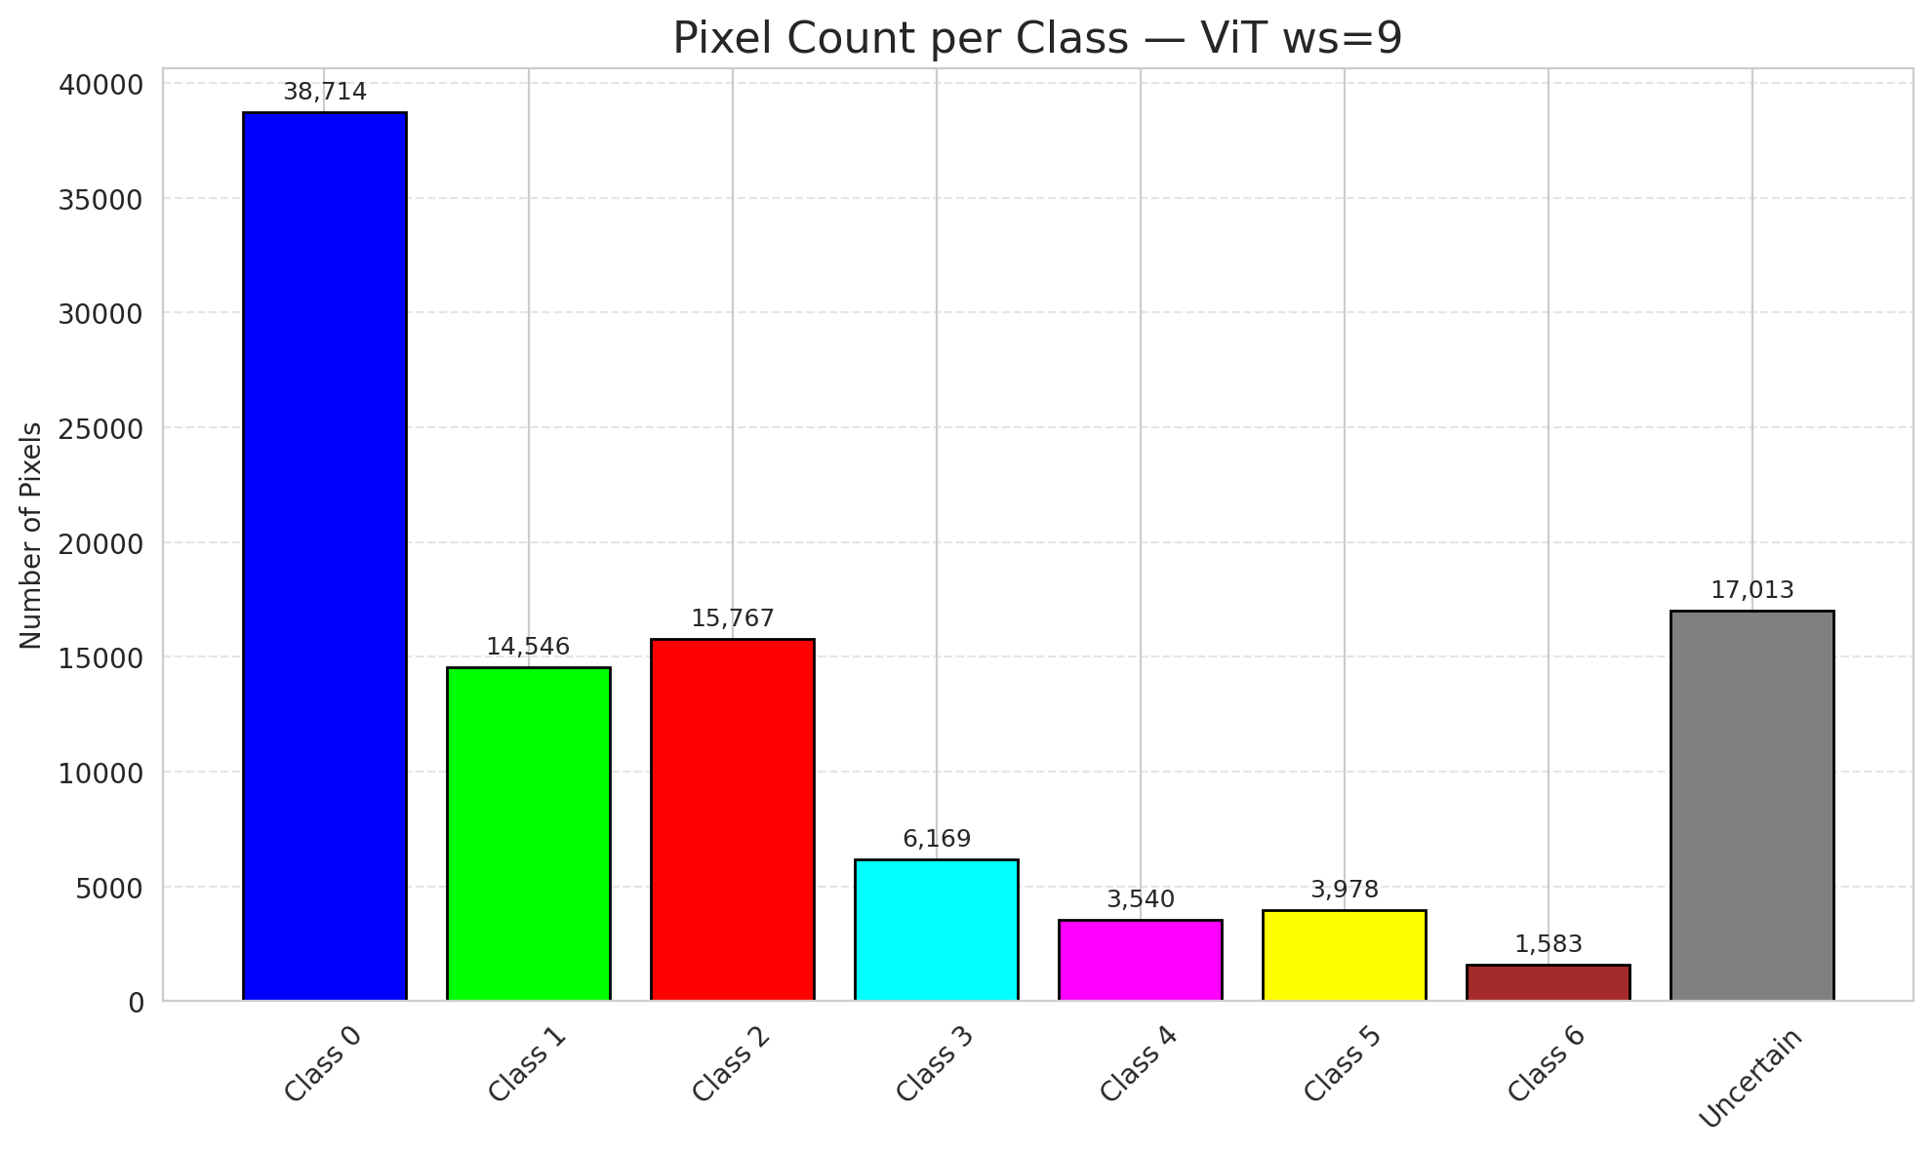
29 | 0.6057 | 0.9141 | 7 | 0.066037735849 | 3
30 | 0.1617 | 0.547 | 57 | 0.53773584906 | 0
31 | 0.3738 | 0.3565 | 37 | 0.34905660377 | 1
32 | 0.8879 | 0.9131 | 54 | 0.50943396226 | 6
33 | 0.0434 | 0.9376 | 11 | 0.10377358491 | 0
34 | 0.2312 | 0.8143 | 51 | 0.48113207547 | 5
35 | 0.3319 | 0.0896 | 75 | 0.70754716981 | 2
36 | 0.3738 | 0.5011 | 3 | 0.028301886792 | 5
37 | 0.2248 | 0.2274 | 73 | 0.68867924528 | 2
38 | 0.0644 | 0.8297 | 79 | 0.74528301887 | 4
39 | 0.3807 | 0.0027 | 68 | 0.64150943396 | 1
40 | 0.0305 | 0.8769 | 36 | 0.33962264151 | 0
41 | 0.2887 | 0.1941 | 59 | 0.55660377358 | 0
42 | 0.5529 | 0.4716 | 4 | 0.037735849057 | 0
43 | 0.0235 | 0.9199 | 72 | 0.67924528302 | 0
44 | 0.4753 | 0.9186 | 40 | 0.37735849057 | 0
45 | 0.1079 | 0.7778 | 17 | 0.16037735849 | 0
46 | 0.8717 | 0.5144 | 91 | 0.85849056604 | 0
47 | 0.8629 | 0.258 | 67 | 0.6320754717 | 1
48 | 0.052 | 0.8705 | 64 | 0.60377358491 | 0
49 | 0.07 | 0.0244 | 1 | 0.0094339622642 | 2
50 | 0.6755 | 0.2353 | 35 | 0.33018867925 | 0
51 | 0.701 | 0.2181 | 13 | 0.12264150943 | 0
52 | 0.7991 | 0.6766 | 60 | 0.56603773585 | 6
53 | 0.863 | 0.4269 | 33 | 0.31132075472 | 3
54 | 0.7001 | 0.3461 | 71 | 0.66981132075 | 0
55 | 0.4238 | 0.8419 | 38 | 0.35849056604 | 6
56 | 0.1405 | 0.8167 | 85 | 0.80188679245 | 2
57 | 0.3992 | 0.5034 | 14 | 0.1320754717 | 2
58 | 0.3919 | 0.8428 | 20 | 0.18867924528 | 0
59 | 0.9591 | 0.8576 | 94 | 0.88679245283 | 2
60 | 0.9081 | 0.0079 | 76 | 0.71698113208 | 3
61 | 0.0537 | 0.9641 | 25 | 0.2358490566 | 2
62 | 0.6534 | 0.4528 | 103 | 0.97169811321 | 1
63 | 0.1831 | 0.9138 | 43 | 0.40566037736 | 0
64 | 0.1117 | 0.7418 | 88 | 0.83018867925 | 1
65 | 0.0452 | 0.4778 | 105 | 0.99056603774 | 0
66 | 0.7996 | 0.3286 | 16 | 0.15094339623 | 0
67 | 0.5915 | 0.2037 | 58 | 0.54716981132 | 2
68 | 0.2578 | 0.9862 | 74 | 0.69811320755 | 0
69 | 0.1562 | 0.4849 | 102 | 0.96226415094 | 0
70 | 0.5327 | 0.1448 | 21 | 0.19811320755 | 1
71 | 0.4516 | 0.733 | 80 | 0.75471698113 | 5
72 | 0.783 | 0.7557 | 92 | 0.8679245283 | 2
73 | 0.8936 | 0.7935 | 52 | 0.49056603774 | 0
74 | 0.5454 | 0.0362 | 65 | 0.61320754717 | 2
75 | 0.0269 | 0.2586 | 98 | 0.92452830189 | 5
76 | 0.7483 | 0.5159 | 19 | 0.17924528302 | 1
77 | 0.3617 | 0.6829 | 30 | 0.28301886792 | 3
78 | 0.902 | 0.8668 | 99 | 0.93396226415 | 0
79 | 0.2495 | 0.7199 | 39 | 0.3679245283 | 0
80 | 0.2196 | 0.6058 | 87 | 0.82075471698 | 1
81 | 0.0516 | 0.661 | 62 | 0.58490566038 | 1
82 | 0.6006 | 0.8744 | 69 | 0.65094339623 | 6
83 | 0.7674 | 0.6926 | 45 | 0.42452830189 | 1
84 | 0.8643 | 0.7314 | 6 | 0.056603773585 | 1
85 | 0.2293 | 0.8092 | 23 | 0.21698113208 | 2
86 | 0.6647 | 0.7139 | 106 | 1 | 0
87 | 0.2331 | 0.1208 | 93 | 0.87735849057 | 0
88 | 0.4716 | 0.3431 | 12 | 0.11320754717 | 0
89 | 0.2588 | 0.6273 | 32 | 0.30188679245 | 1
90 | 0.7061 | 0.1913 | 28 | 0.2641509434 | 2
91 | 0.1768 | 0.595 | 77 | 0.72641509434 | 0
92 | 0.4741 | 0.1933 | 41 | 0.38679245283 | 0
93 | 0.5616 | 0.2903 | 101 | 0.95283018868 | 4
94 | 0.2895 | 0.3757 | 22 | 0.20754716981 | 1
95 | 0.4193 | 0.9108 | 86 | 0.81132075472 | 0
96 | 0.5613 | 0.5263 | 104 | 0.98113207547 | 2
97 | 0.2887 | 0.5233 | 70 | 0.66037735849 | 0
98 | 0.8948 | 0.5038 | 31 | 0.29245283019 | 0
99 | 0.5329 | 0.2157 | 8 | 0.075471698113 | 1
100 | 0.5964 | 0.1713 | 27 | 0.25471698113 | 3
101 | 0.1393 | 0.3313 | 90 | 0.84905660377 | 3
102 | 0.7109 | 0.8071 | 49 | 0.46226415094 | 6
103 | 0.4814 | 0.4231 | 42 | 0.39622641509 | 0
104 | 0.7959 | 0.3417 | 26 | 0.24528301887 | 4
105 | 0.6257 | 0.5159 | 96 | 0.90566037736 | 1
106 | 0.1052 | 0.1204 | 10 | 0.094339622642 | 0

