Split_AlexNet
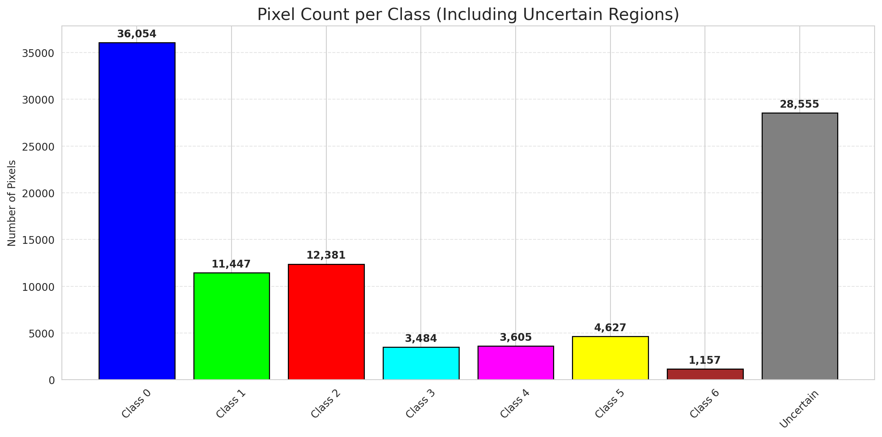
SplitConformal - AlexNet |  |  |  |  |  |  |  |  | Per-Class Coverage
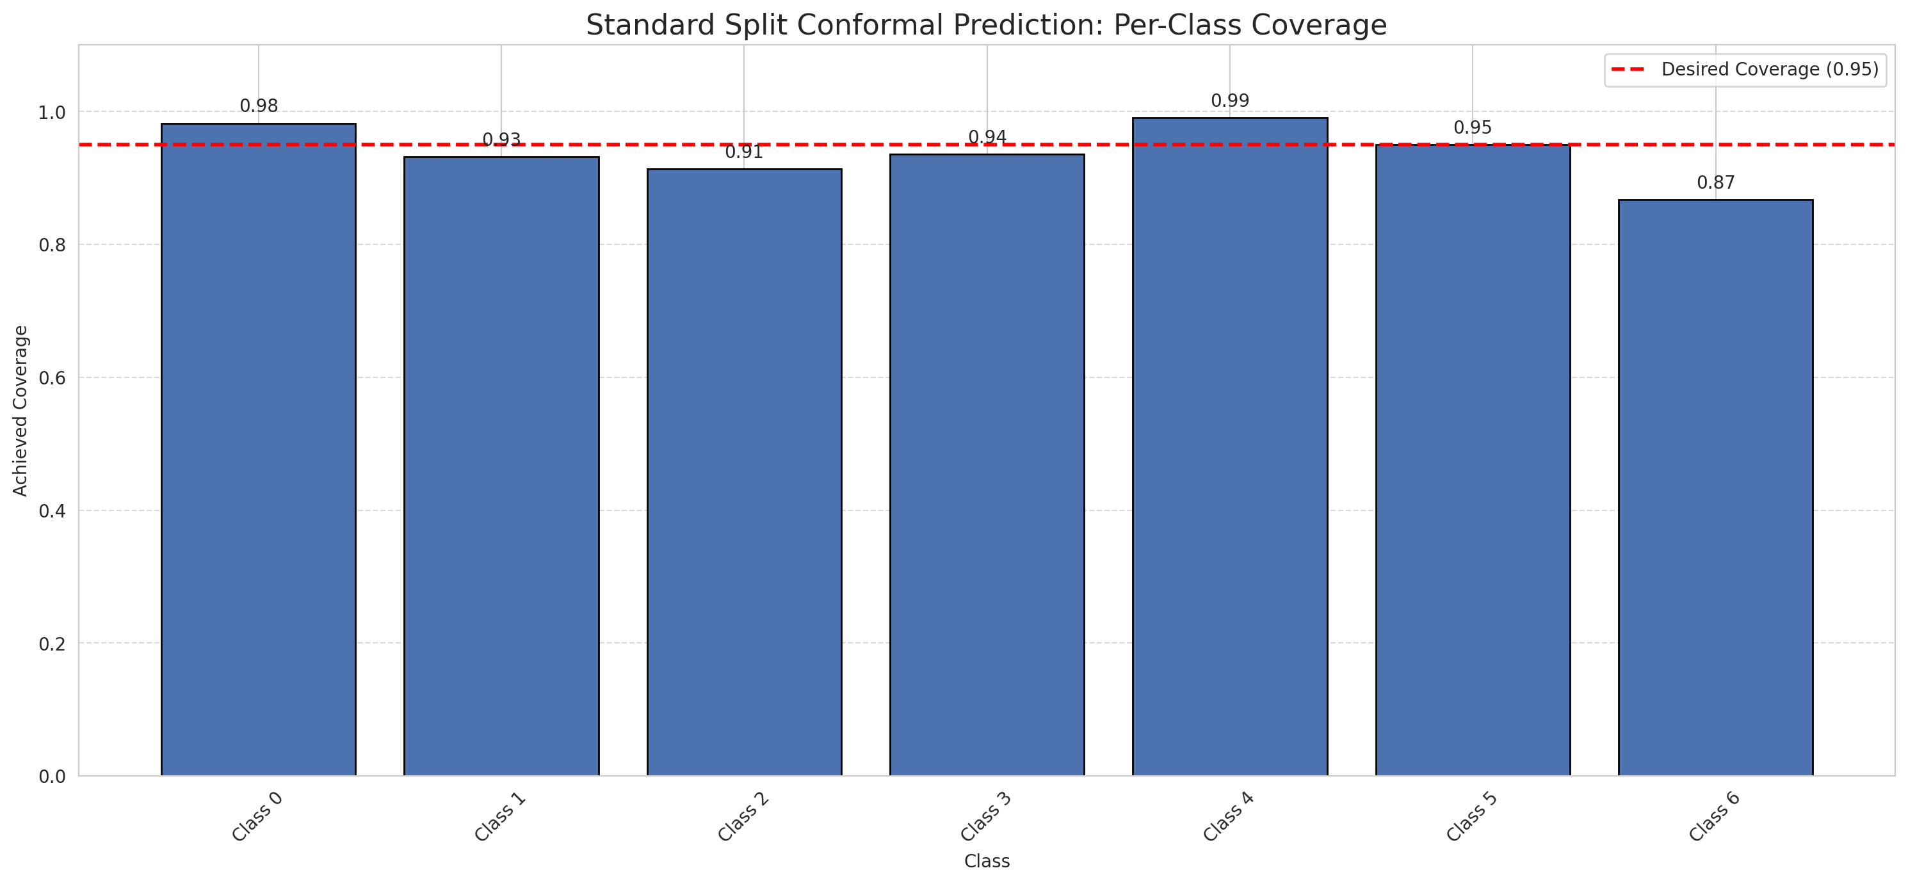
Summary
model_name | method | target_coverage | empirical_coverage | avg_set_size | median_set_size | singleton_rate | empty_set_rate | runtime_sec | alpha | lam | n_clusters | mean_per_class_coverage
AlexNet | SplitConformal | 0.95 | 0.95220417633 | 0.95266821346 | 1 | 0.95266821346 | 0.047331786543 | 1.668831785 | 0.05 |  |  | 0.93886351029

Per-Class Coverage Values
class_id | class_coverage | support_count
0 | 0.98249452954 | 914
1 | 0.93171806167 | 454
2 | 0.91340782123 | 358
3 | 0.9358974359 | 156
4 | 0.99038461538 | 104
5 | 0.9504950495 | 101
6 | 0.86764705882 | 68

Pixel Counts
class_id | label | pixel_count
0 | Class 0 | 36054
1 | Class 1 | 11447
2 | Class 2 | 12381
3 | Class 3 | 3484
4 | Class 4 | 3605 |  |  |  |  |  |  | Certain vs Uncertain Map
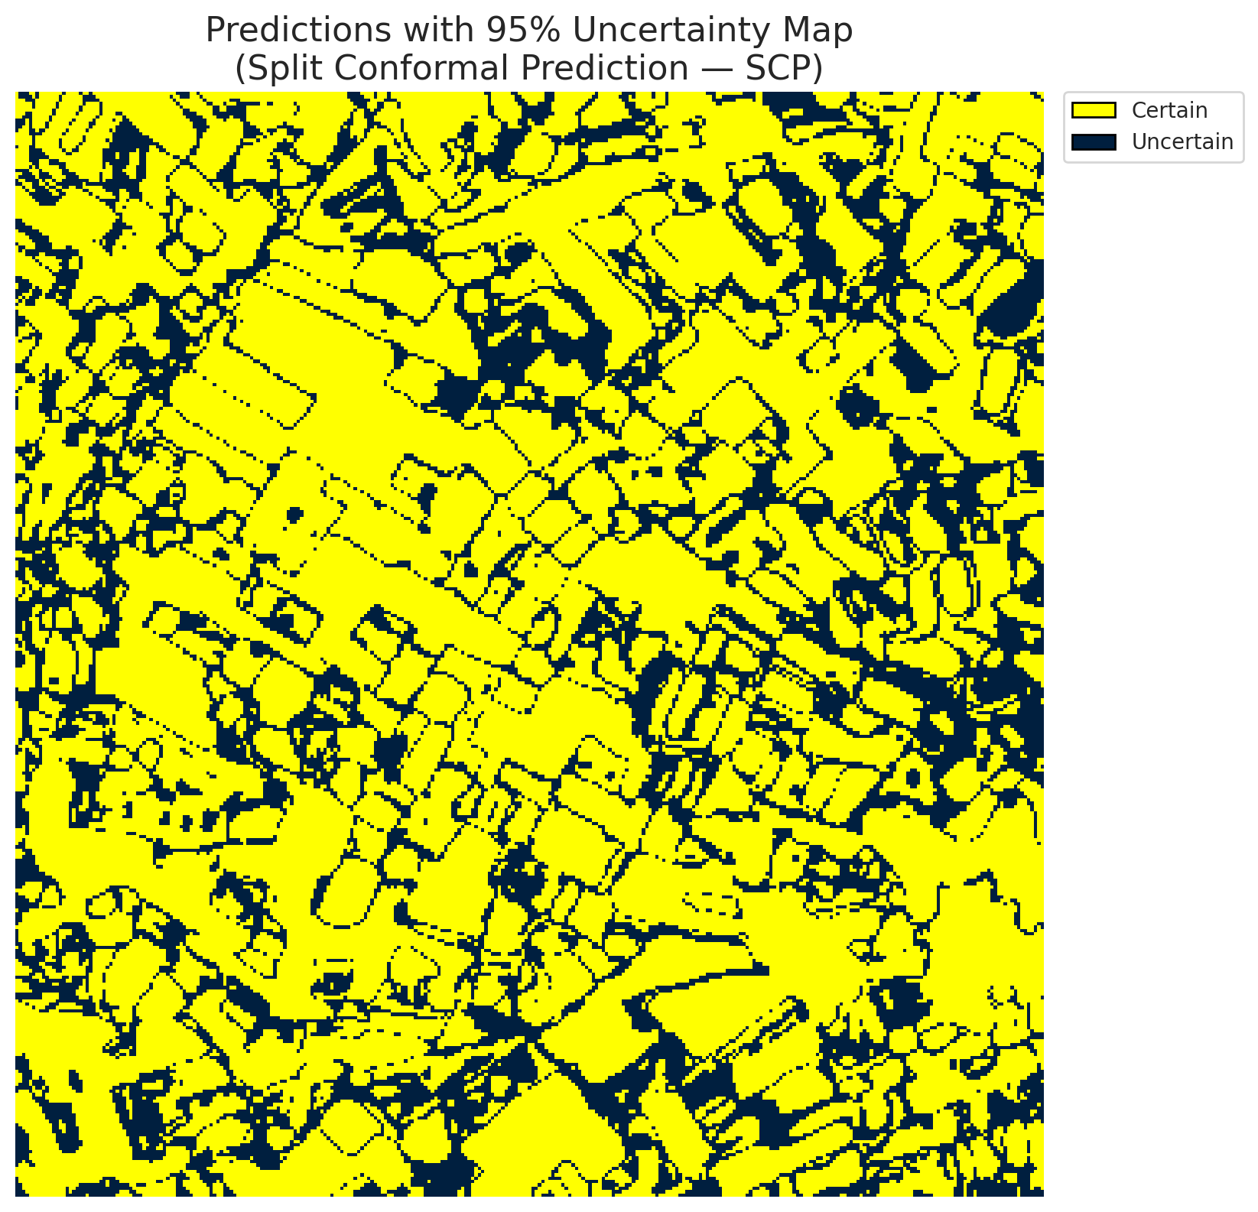
5 | Class 5 | 4627
6 | Class 6 | 1157
7 | Uncertain | 28555

Threshold
q_hat_split
0.10699556755

 |  |  |  |  |  |  |  |  | Class Map with Uncertain Mask
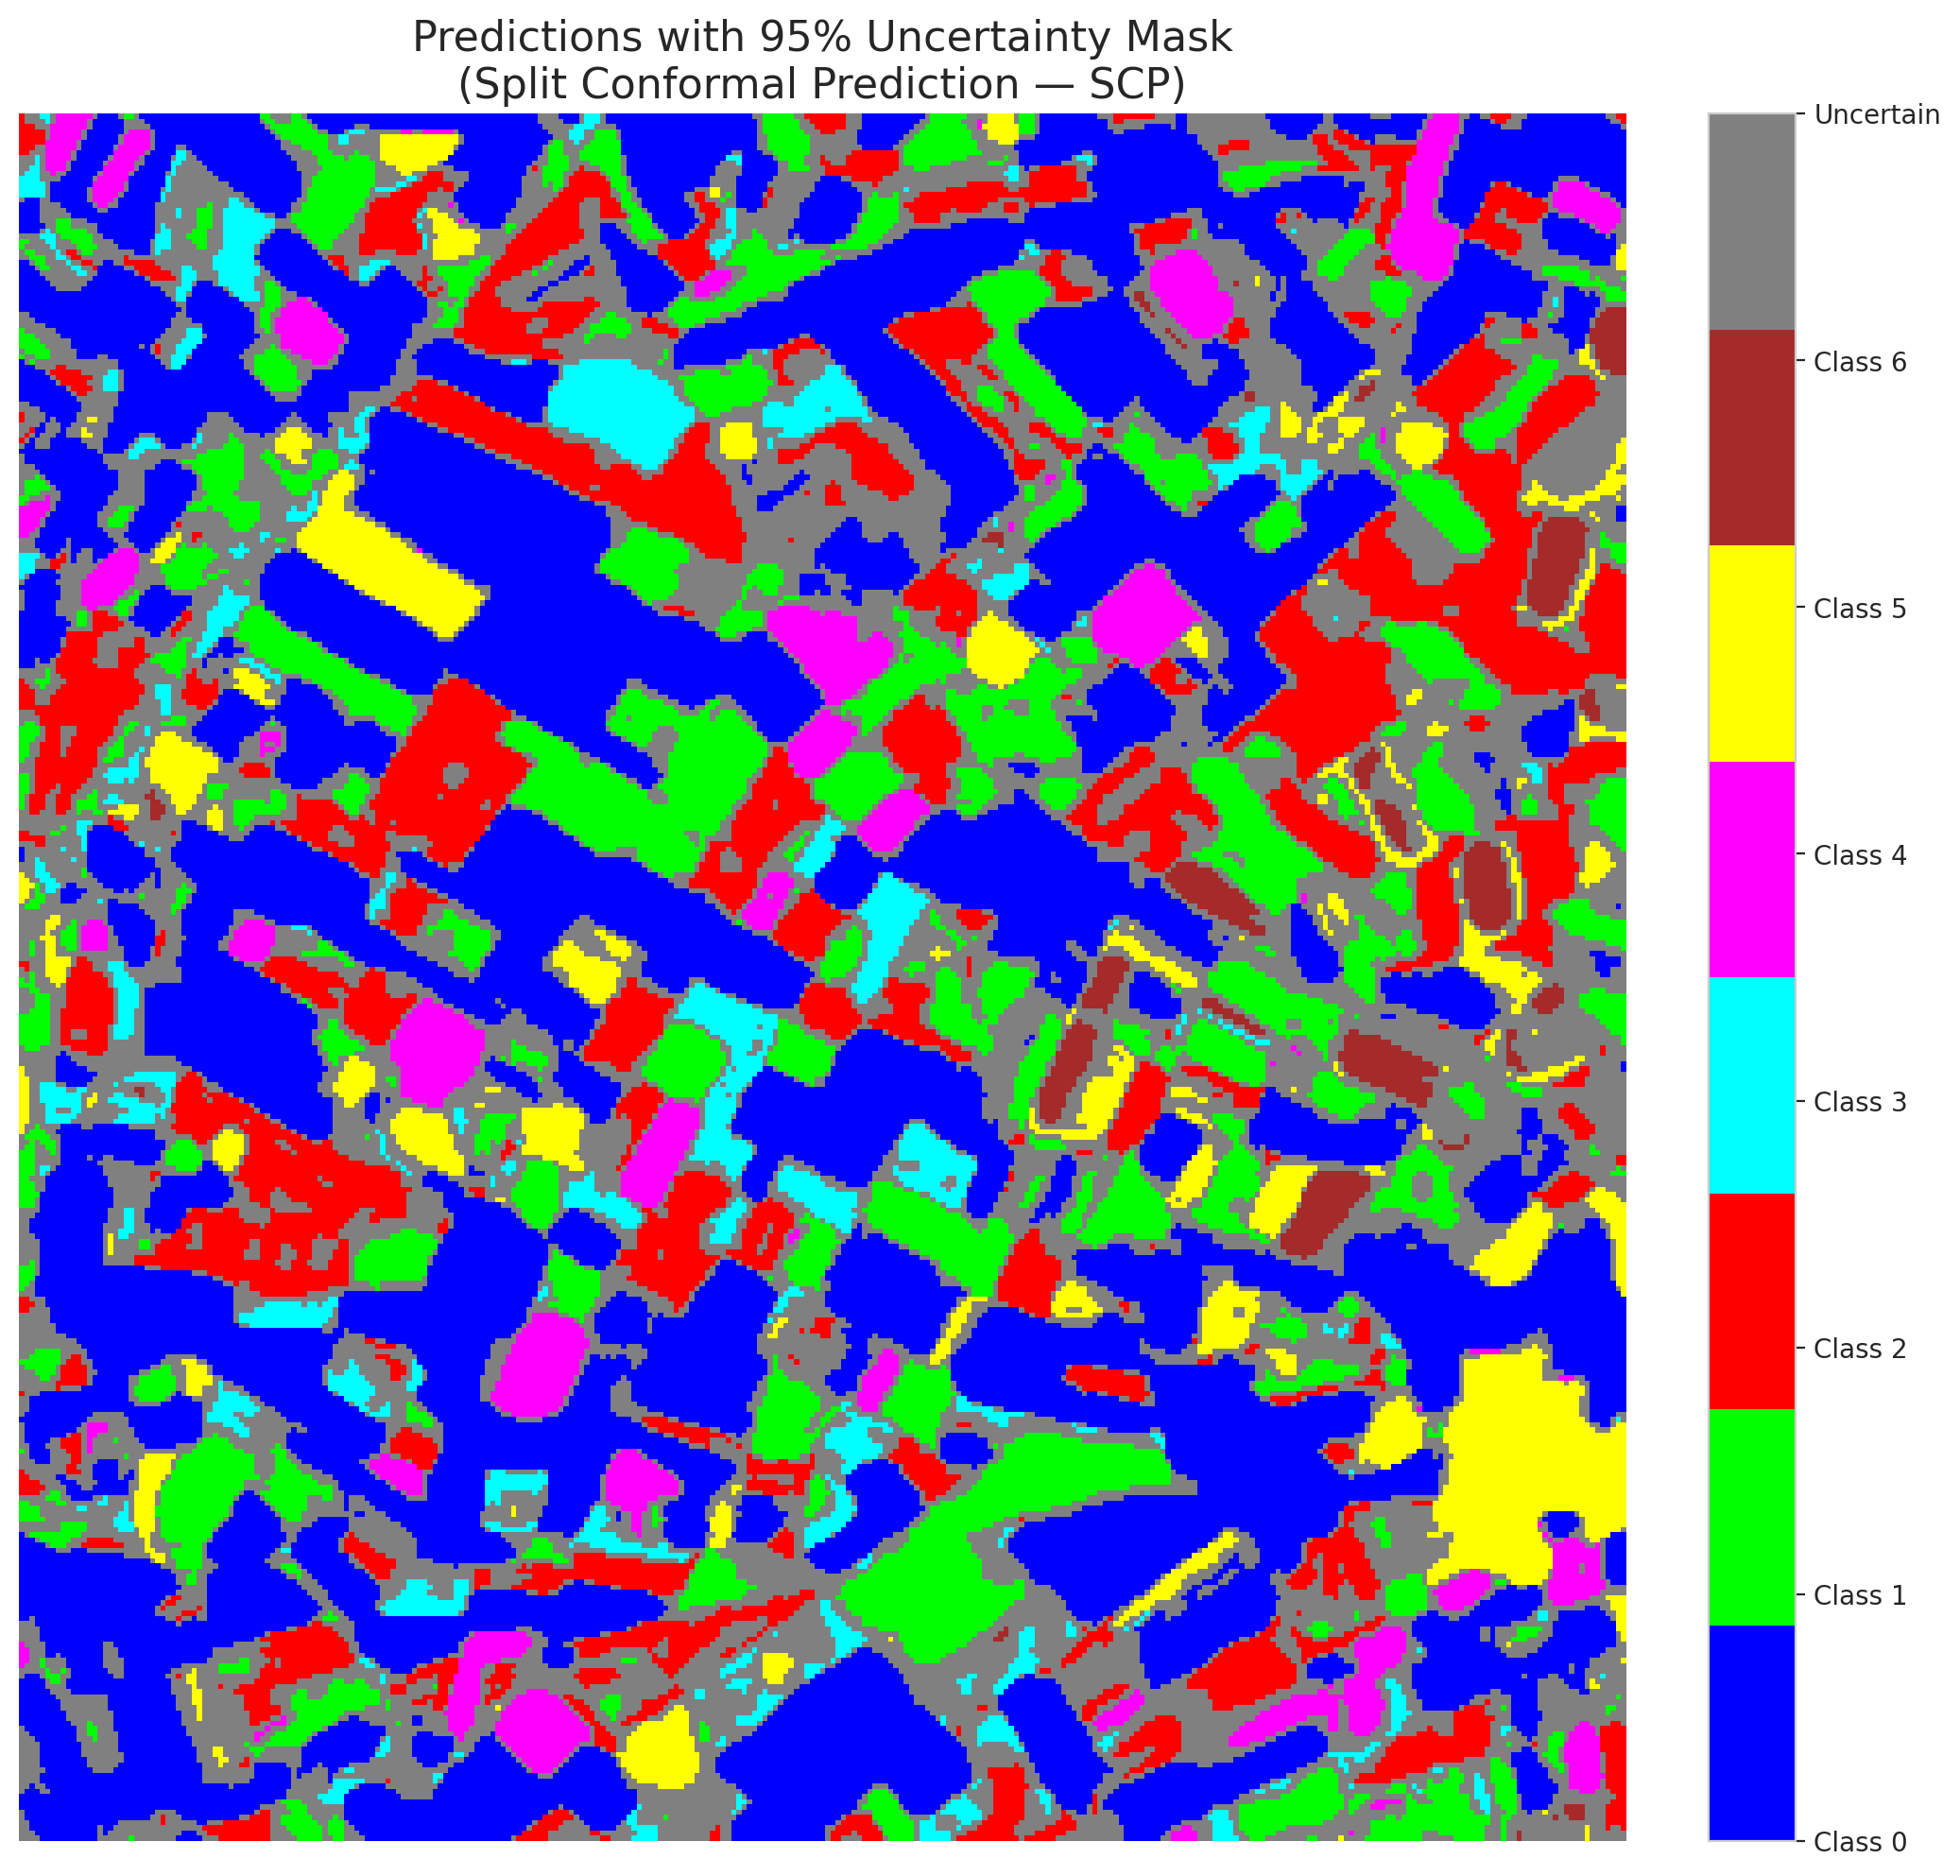

 |  |  |  |  |  |  |  |  | Pixel Counts

ClassCond_AlexNet
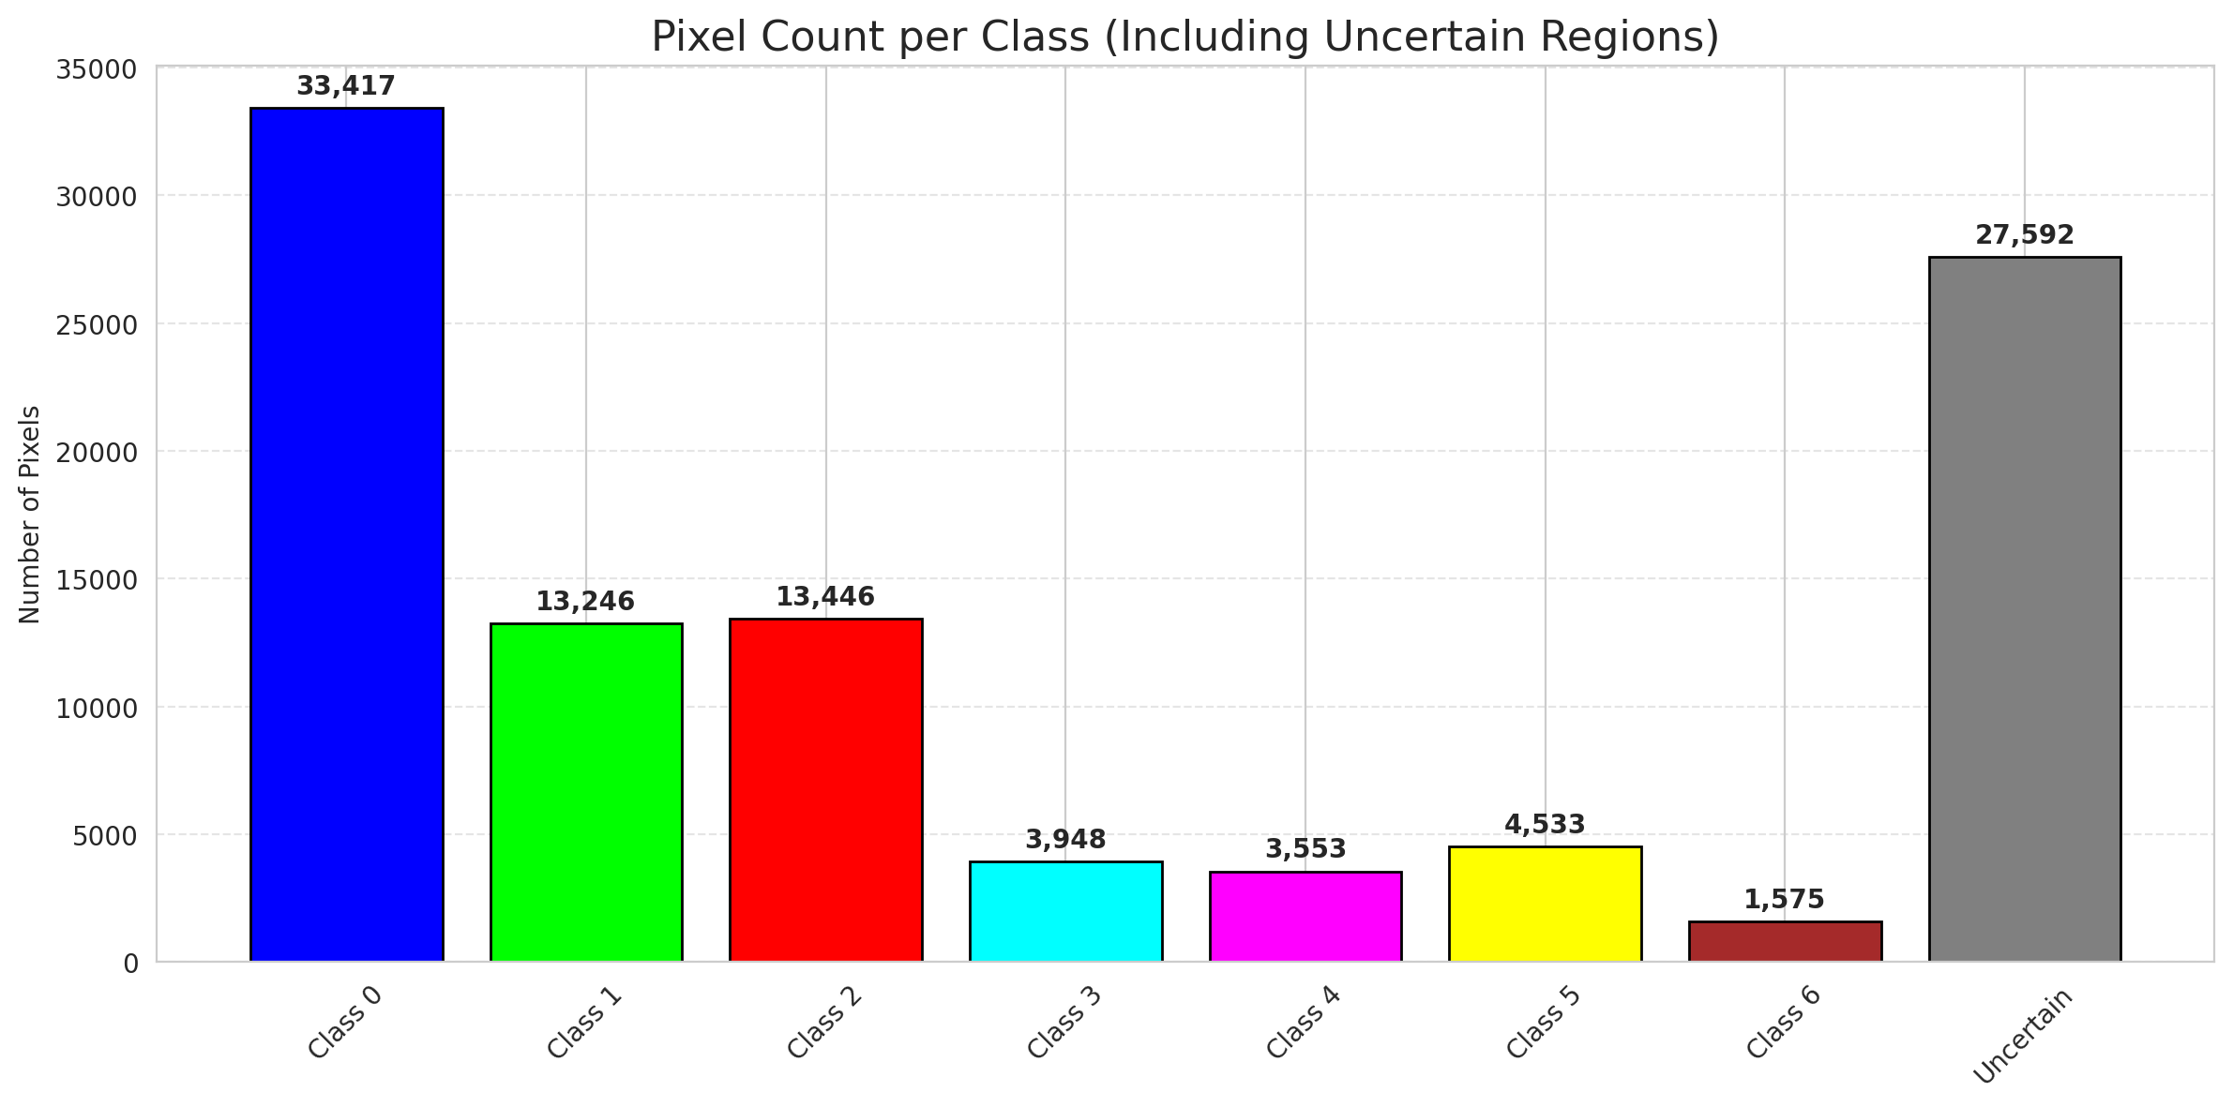
ClassConditionalConformal - AlexNet |  |  |  |  |  |  |  |  | Per-Class Coverage
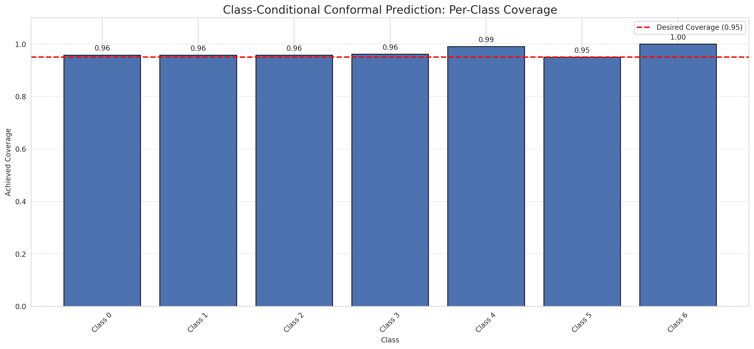
Summary
model_name | method | target_coverage | empirical_coverage | avg_set_size | median_set_size | singleton_rate | empty_set_rate | runtime_sec | alpha | lam | n_clusters | mean_per_class_coverage
AlexNet | ClassConditionalConformal | 0.95 | 0.96102088167 | 0.96148491879 | 1 | 0.96148491879 | 0.038515081206 | 1.766270414 | 0.05 |  |  | 0.96815613893

Per-Class Coverage Values
class_id | class_coverage | support_count
0 | 0.95842450766 | 914
1 | 0.95814977974 | 454
2 | 0.95810055866 | 358
3 | 0.96153846154 | 156
4 | 0.99038461538 | 104
5 | 0.9504950495 | 101
6 | 1 | 68

Pixel Counts
class_id | label | pixel_count
0 | Class 0 | 33417
1 | Class 1 | 13246
2 | Class 2 | 13446
3 | Class 3 | 3948
4 | Class 4 | 3553 |  |  |  |  |  |  | Certain vs Uncertain Map
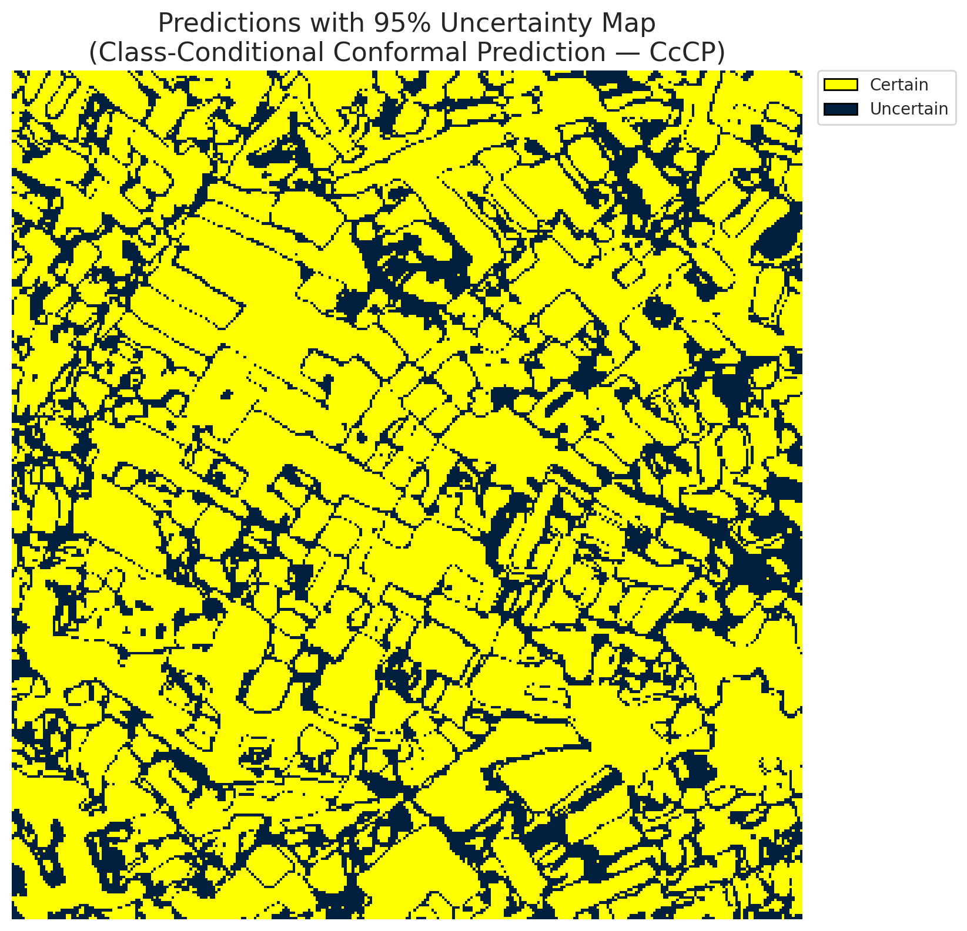
5 | Class 5 | 4533
6 | Class 6 | 1575
7 | Uncertain | 27592

Classwise q_hat
class_id | q_hat_classconditional
0 | 0.043657088698
1 | 0.18472173247
2 | 0.14962198376
3 | 0.13831184924
4 | 0.096178374245
5 | 0.097868849403
6 | 0.27010289868

 |  |  |  |  |  |  |  |  | Class Map with Uncertain Mask
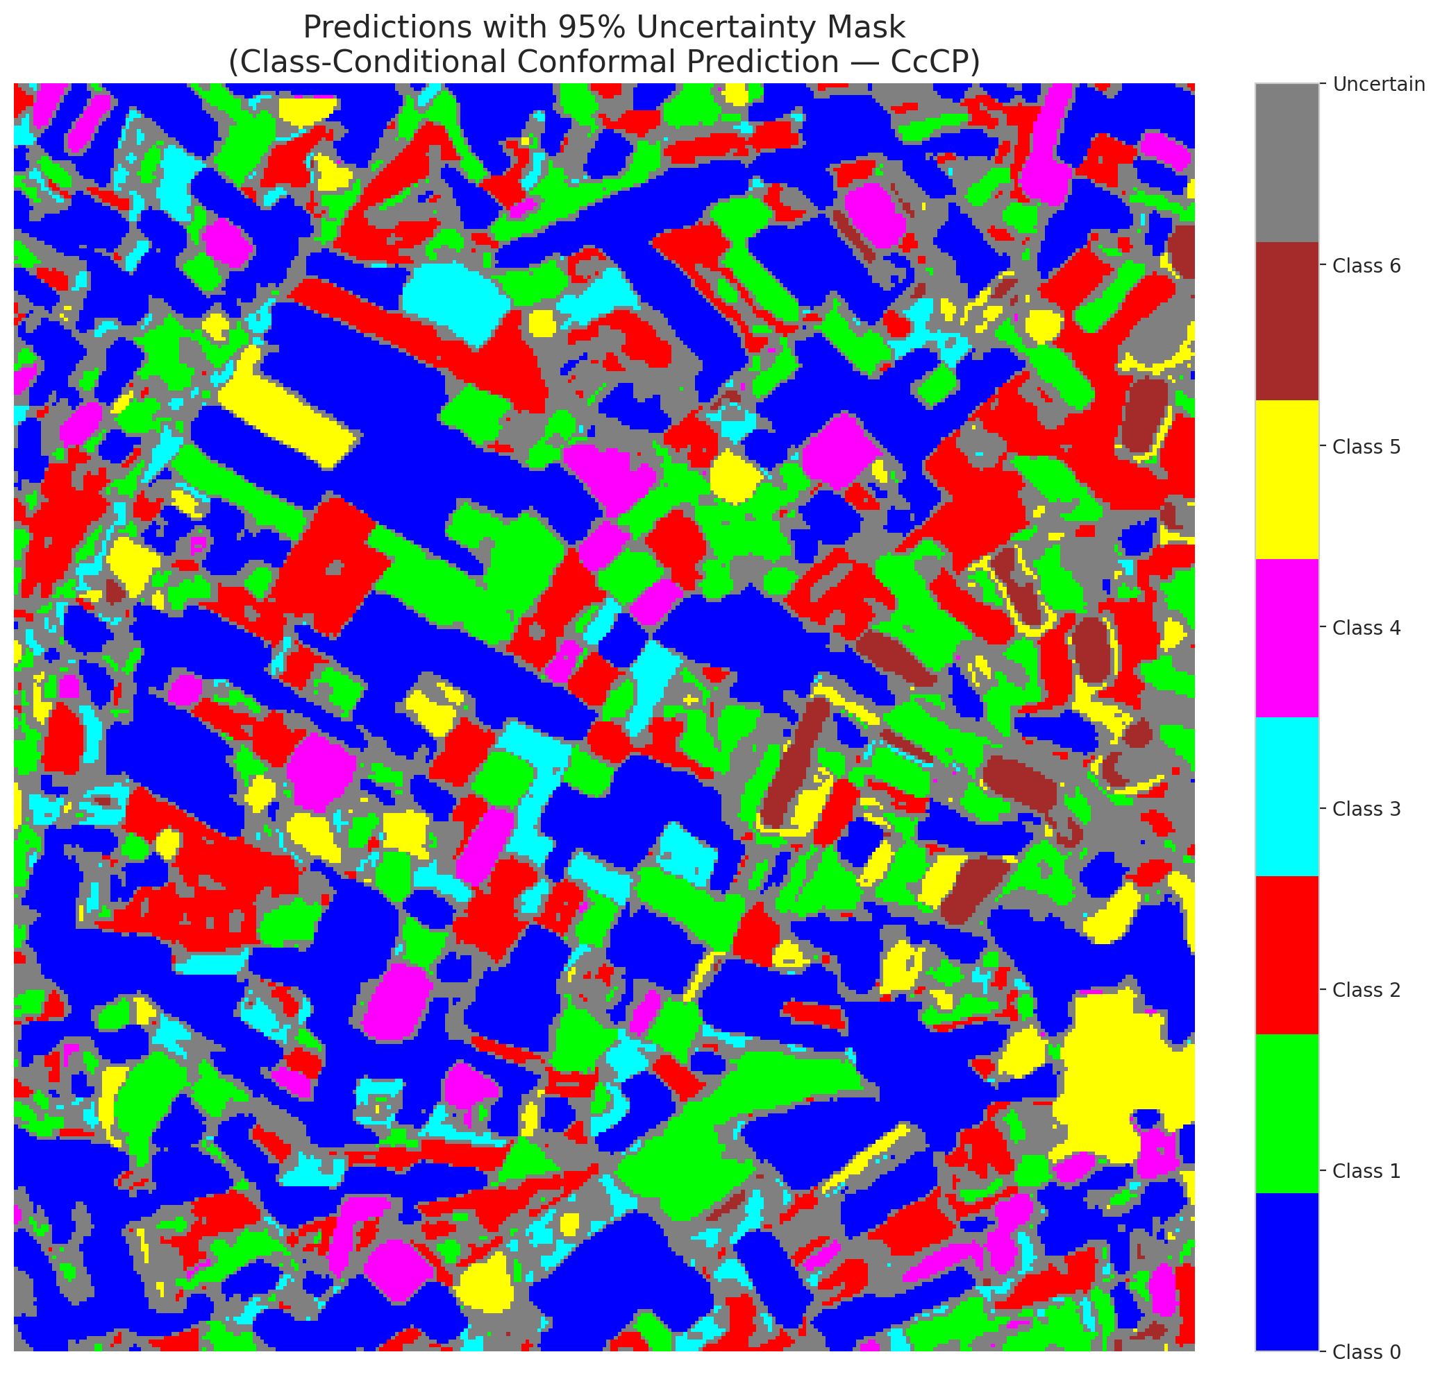

 |  |  |  |  |  |  |  |  | Pixel Counts

RC3P_AlexNet
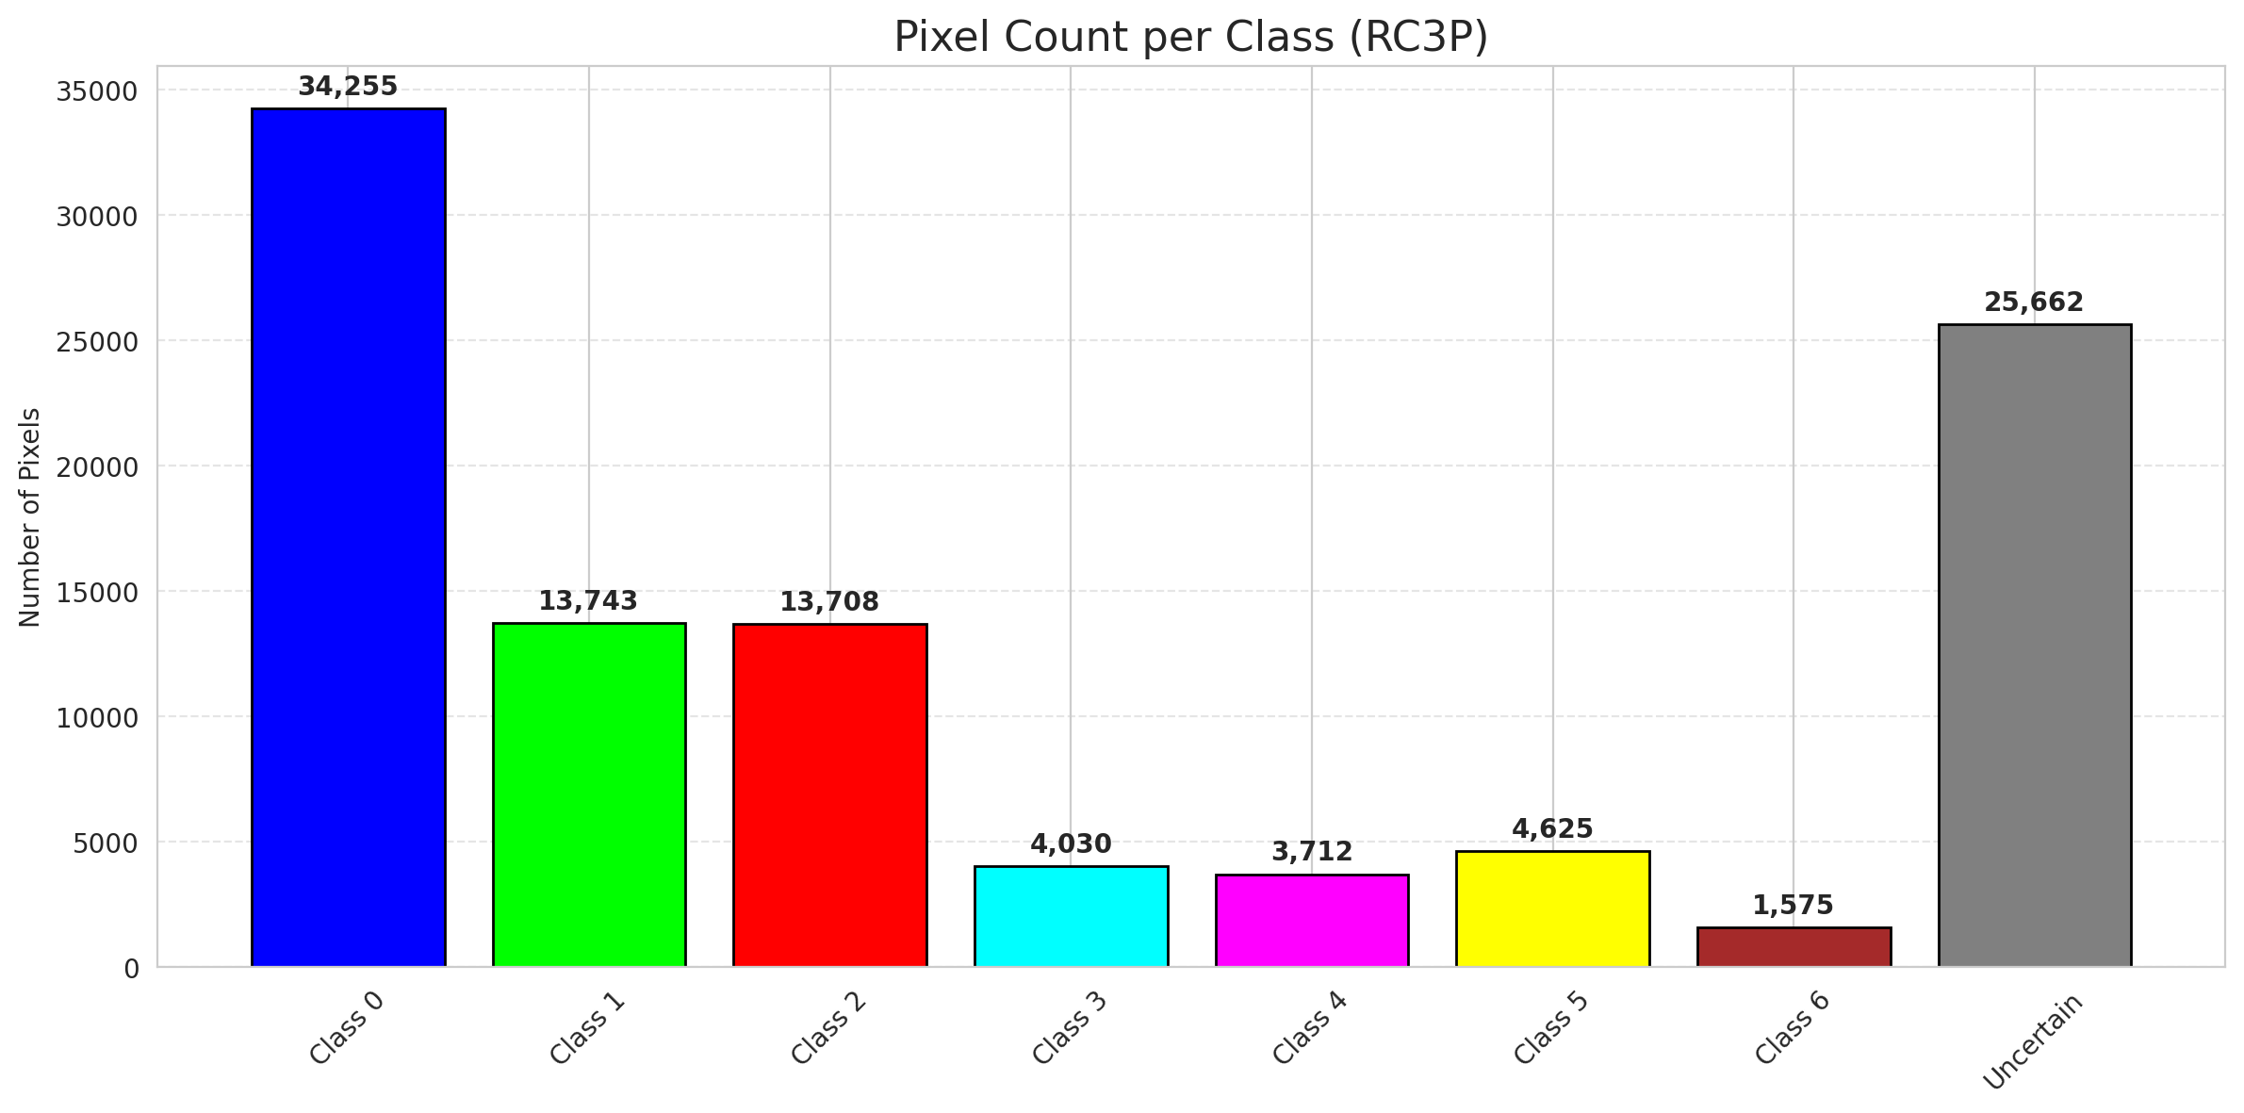
RC3P - AlexNet |  |  |  |  |  |  |  |  | Per-Class Coverage
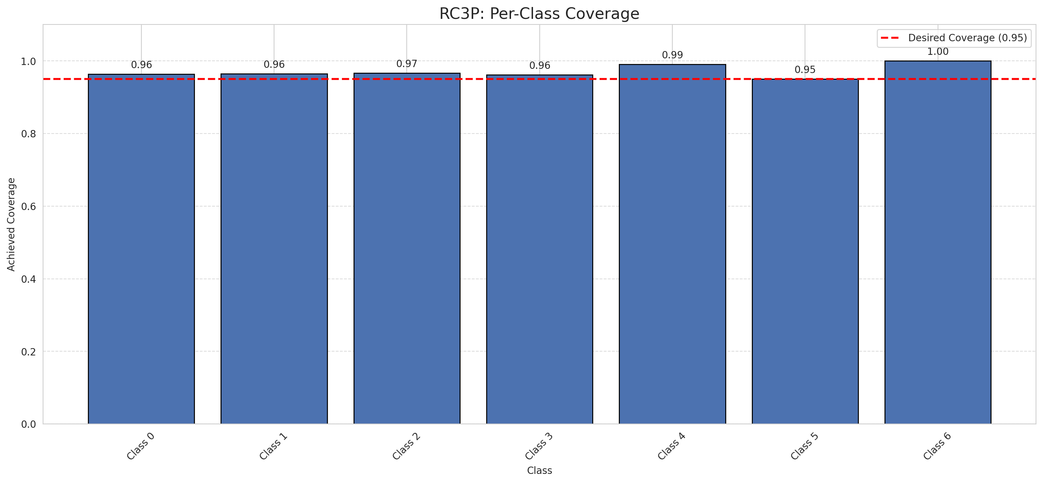
Summary
model_name | method | target_coverage | empirical_coverage | avg_set_size | median_set_size | singleton_rate | empty_set_rate | runtime_sec | alpha | lam | n_clusters | mean_per_class_coverage
AlexNet | RC3P | 0.95 | 0.96612529002 | 0.96658932715 | 1 | 0.96658932715 | 0.033410672854 | 2.464024785 | 0.05 |  |  | 0.97107874997

Per-Class Coverage Values
class_id | class_coverage | support_count
0 | 0.96389496718 | 914
1 | 0.96475770925 | 454
2 | 0.96648044693 | 358
3 | 0.96153846154 | 156
4 | 0.99038461538 | 104
5 | 0.9504950495 | 101
6 | 1 | 68

Pixel Counts
class_id | label | pixel_count
0 | Class 0 | 34255
1 | Class 1 | 13743
2 | Class 2 | 13708
3 | Class 3 | 4030
4 | Class 4 | 3712 |  |  |  |  |  |  | Certain vs Uncertain Map

5 | Class 5 | 4625
6 | Class 6 | 1575
7 | Uncertain | 25662

RC3P Thresholds & Limits
class_id | q_hat_rc3p | suit_index_limit
0 | 0.057709695477 | 1
1 | 0.21077412781 | 1
2 | 0.16375244636 | 1
3 | 0.1442357739 | 1
4 | 0.13477762626 | 1
5 | 0.10655100358 | 1
6 | 0.27010289868 | 1

 |  |  |  |  |  |  |  |  | Class Map with Uncertain Mask
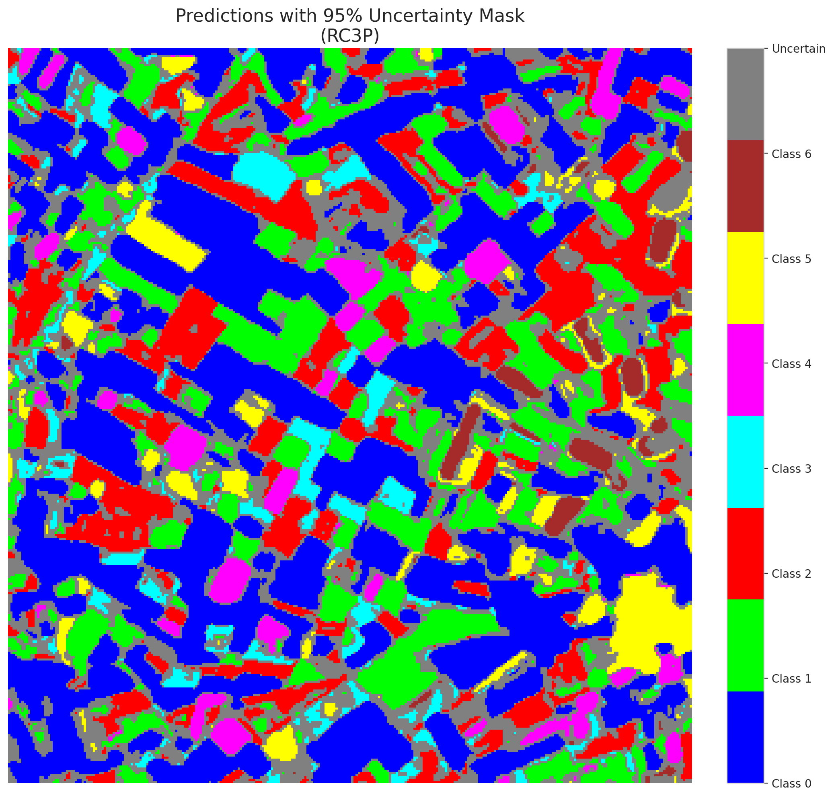

 |  |  |  |  |  |  |  |  | Pixel Counts

Clustered_AlexNet
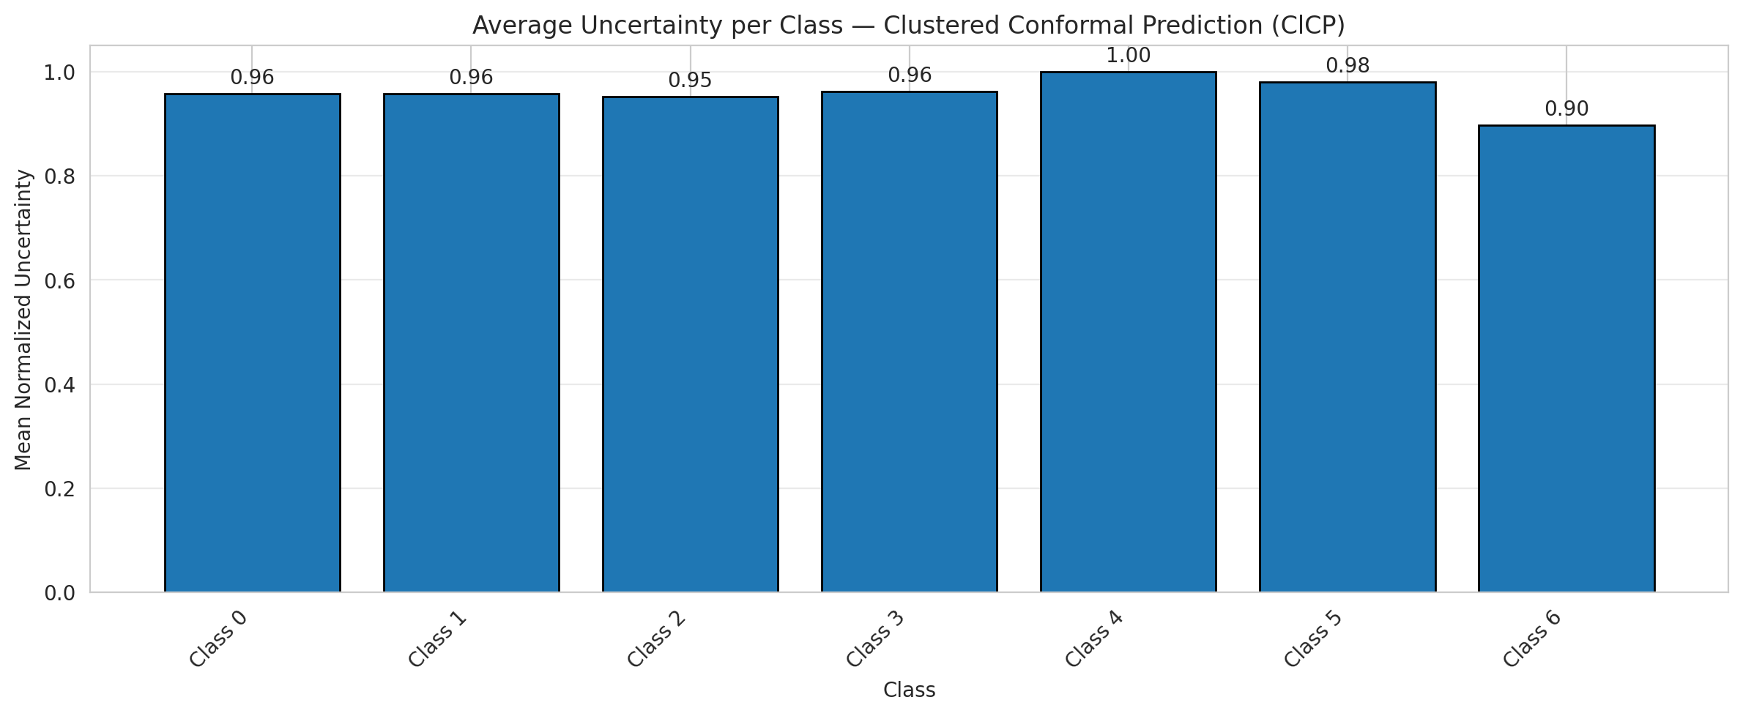
ClusteredConformal - AlexNet |  |  |  |  |  |  |  |  | Per-Class Coverage
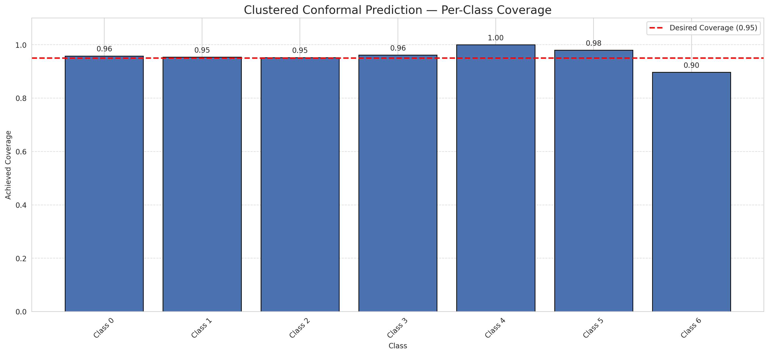
Summary
model_name | method | target_coverage | empirical_coverage | avg_set_size | median_set_size | singleton_rate | empty_set_rate | runtime_sec | alpha | lam | n_clusters | mean_per_class_coverage
AlexNet | ClusteredConformal | 0.95 | 0.95777262181 | 0.95823665893 | 1 | 0.95823665893 | 0.041763341067 | 2.717674637 | 0.05 |  | 4 | 0.9576397532

Per-Class Coverage Values
class_id | class_coverage | support_count
0 | 0.95842450766 | 914
1 | 0.95374449339 | 454
2 | 0.95251396648 | 358
3 | 0.96153846154 | 156
4 | 1 | 104
5 | 0.9801980198 | 101
6 | 0.89705882353 | 68

Class-to-Cluster Assignment
class_id | cluster_id
0 | 3
1 | 0
2 | 2
3 | 2
4 | 0 |  |  |  |  |  |  |  | Uncertainty Distribution
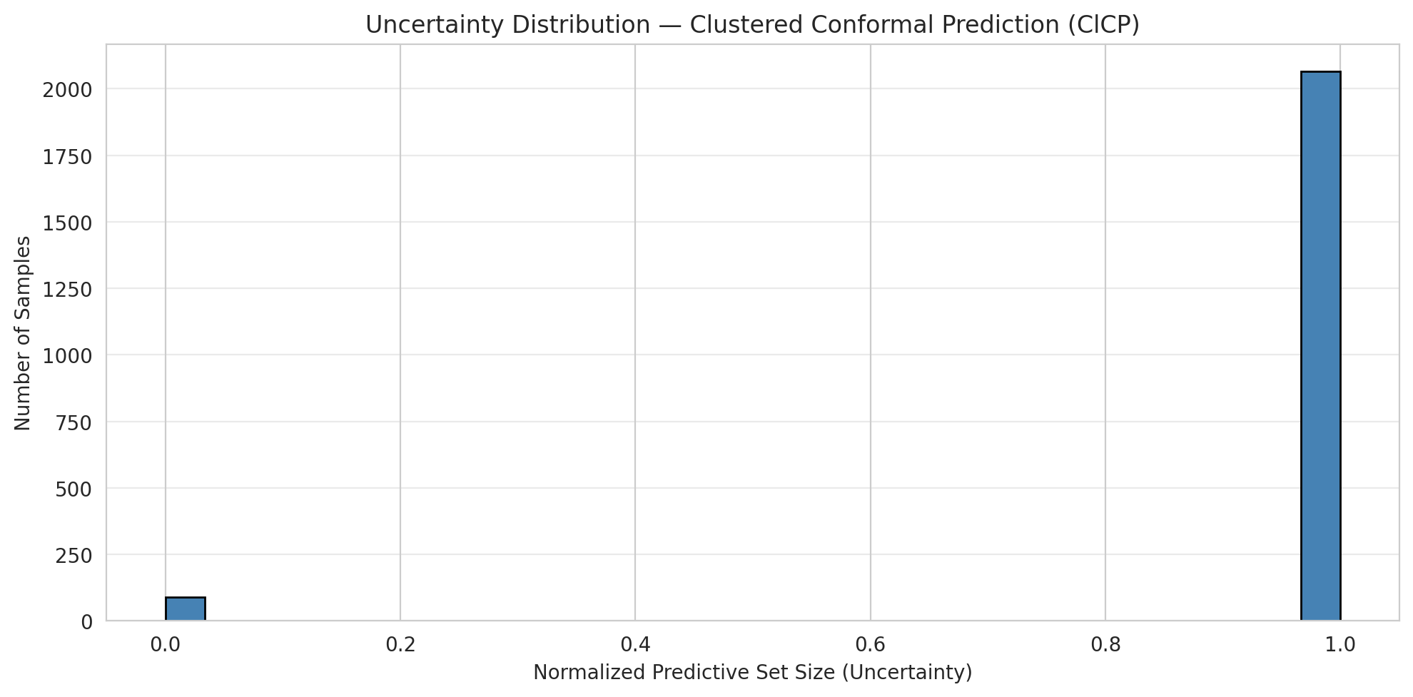
5 | 1
6 | 1

Cluster q_hat
cluster_id | q_hat_cluster
0 | 0.15385585886
1 | 0.14429164042
2 | 0.13620588973
3 | 0.043657088698

Cluster Mean Uncertainty
cluster | uncertainty
0 | 0.96582733813
1 | 0.94674556213
2 | 0.95525291829
3 | 0.95742358079

Class Mean Uncertainty
class_id | uncertainty
0 | 0.95742358079
1 | 0.95796460177 |  |  |  |  |  |  |  | Avg Uncertainty per Cluster
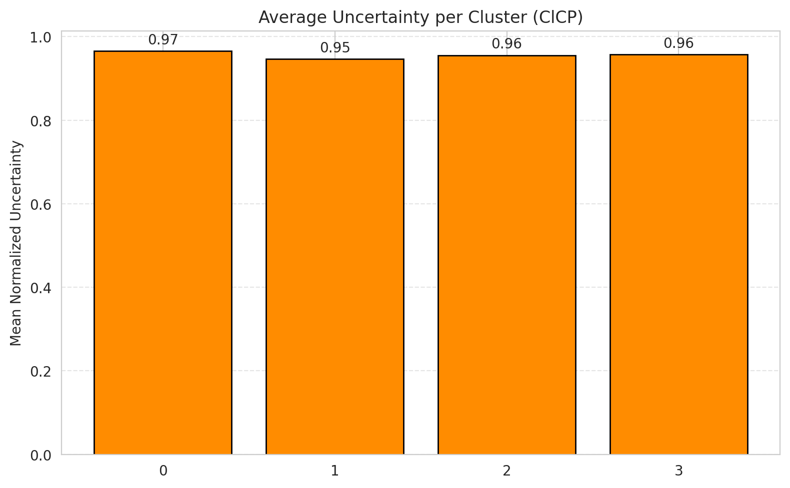
2 | 0.95251396648
3 | 0.96153846154
4 | 1
5 | 0.9801980198
6 | 0.89705882353

 |  |  |  |  |  |  |  |  | Avg Uncertainty per Class

RAPS_AlexNet
RAPS - AlexNet |  |  |  |  |  |  |  |  | Per-Class Coverage
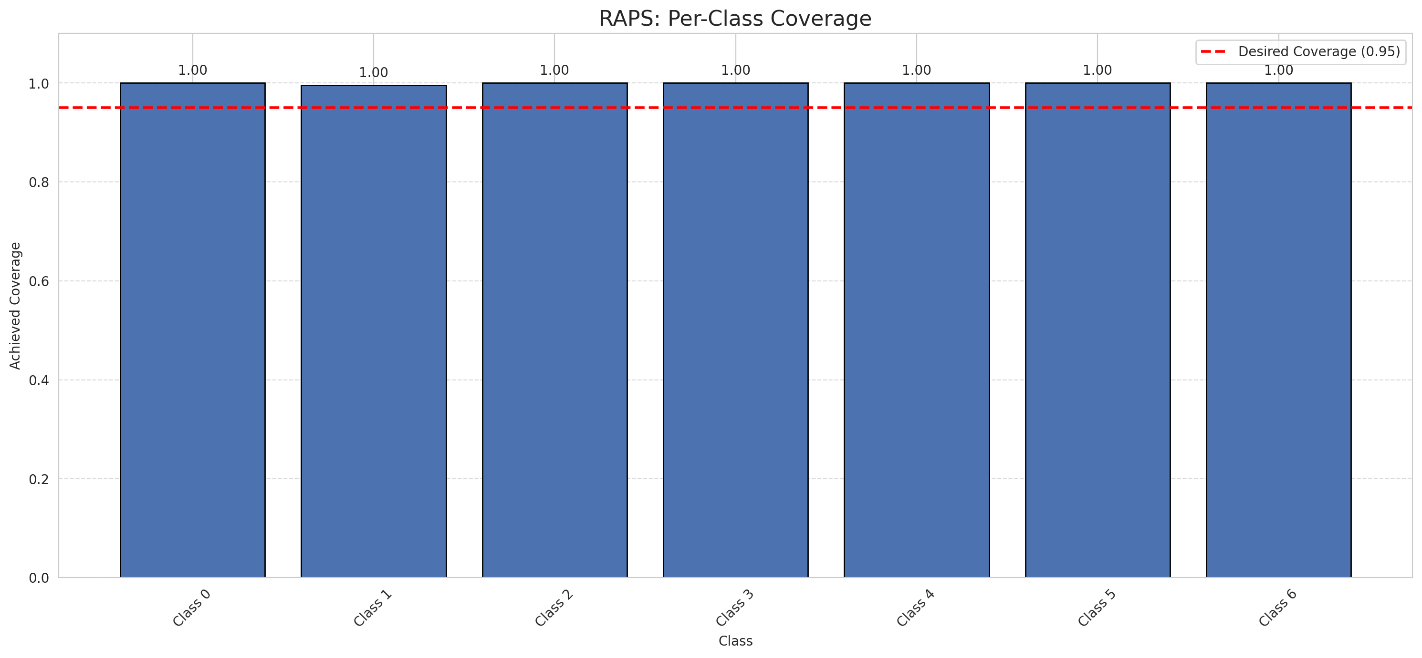
Summary
model_name | method | target_coverage | empirical_coverage | avg_set_size | median_set_size | singleton_rate | empty_set_rate | runtime_sec | alpha | lam | n_clusters | mean_per_class_coverage
AlexNet | RAPS | 0.95 | 0.99907192575 | 1 | 1 | 1 | 0 | 0.373075467 | 0.05 | 0.01 |  | 0.99937067338

Per-Class Coverage Values
class_id | class_coverage | support_count
0 | 1 | 914
1 | 0.99559471366 | 454
2 | 1 | 358
3 | 1 | 156
4 | 1 | 104
5 | 1 | 101
6 | 1 | 68

RAPS Parameters
q_hat_raps | lambda | k_reg
0 | 0.01 | 1

Split_GFNet
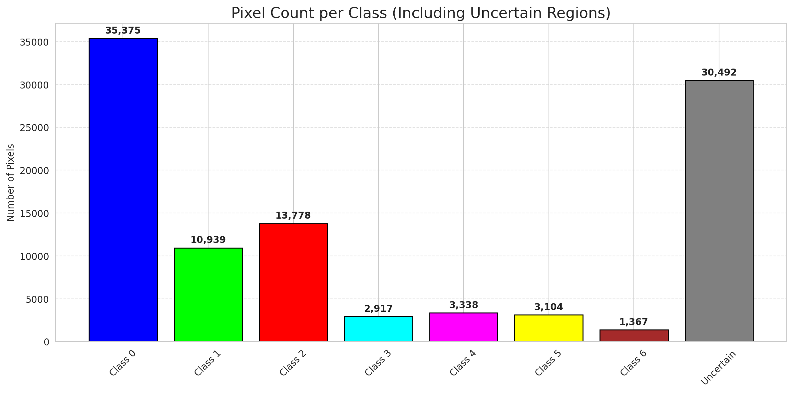
SplitConformal - GFNet |  |  |  |  |  |  |  |  | Per-Class Coverage
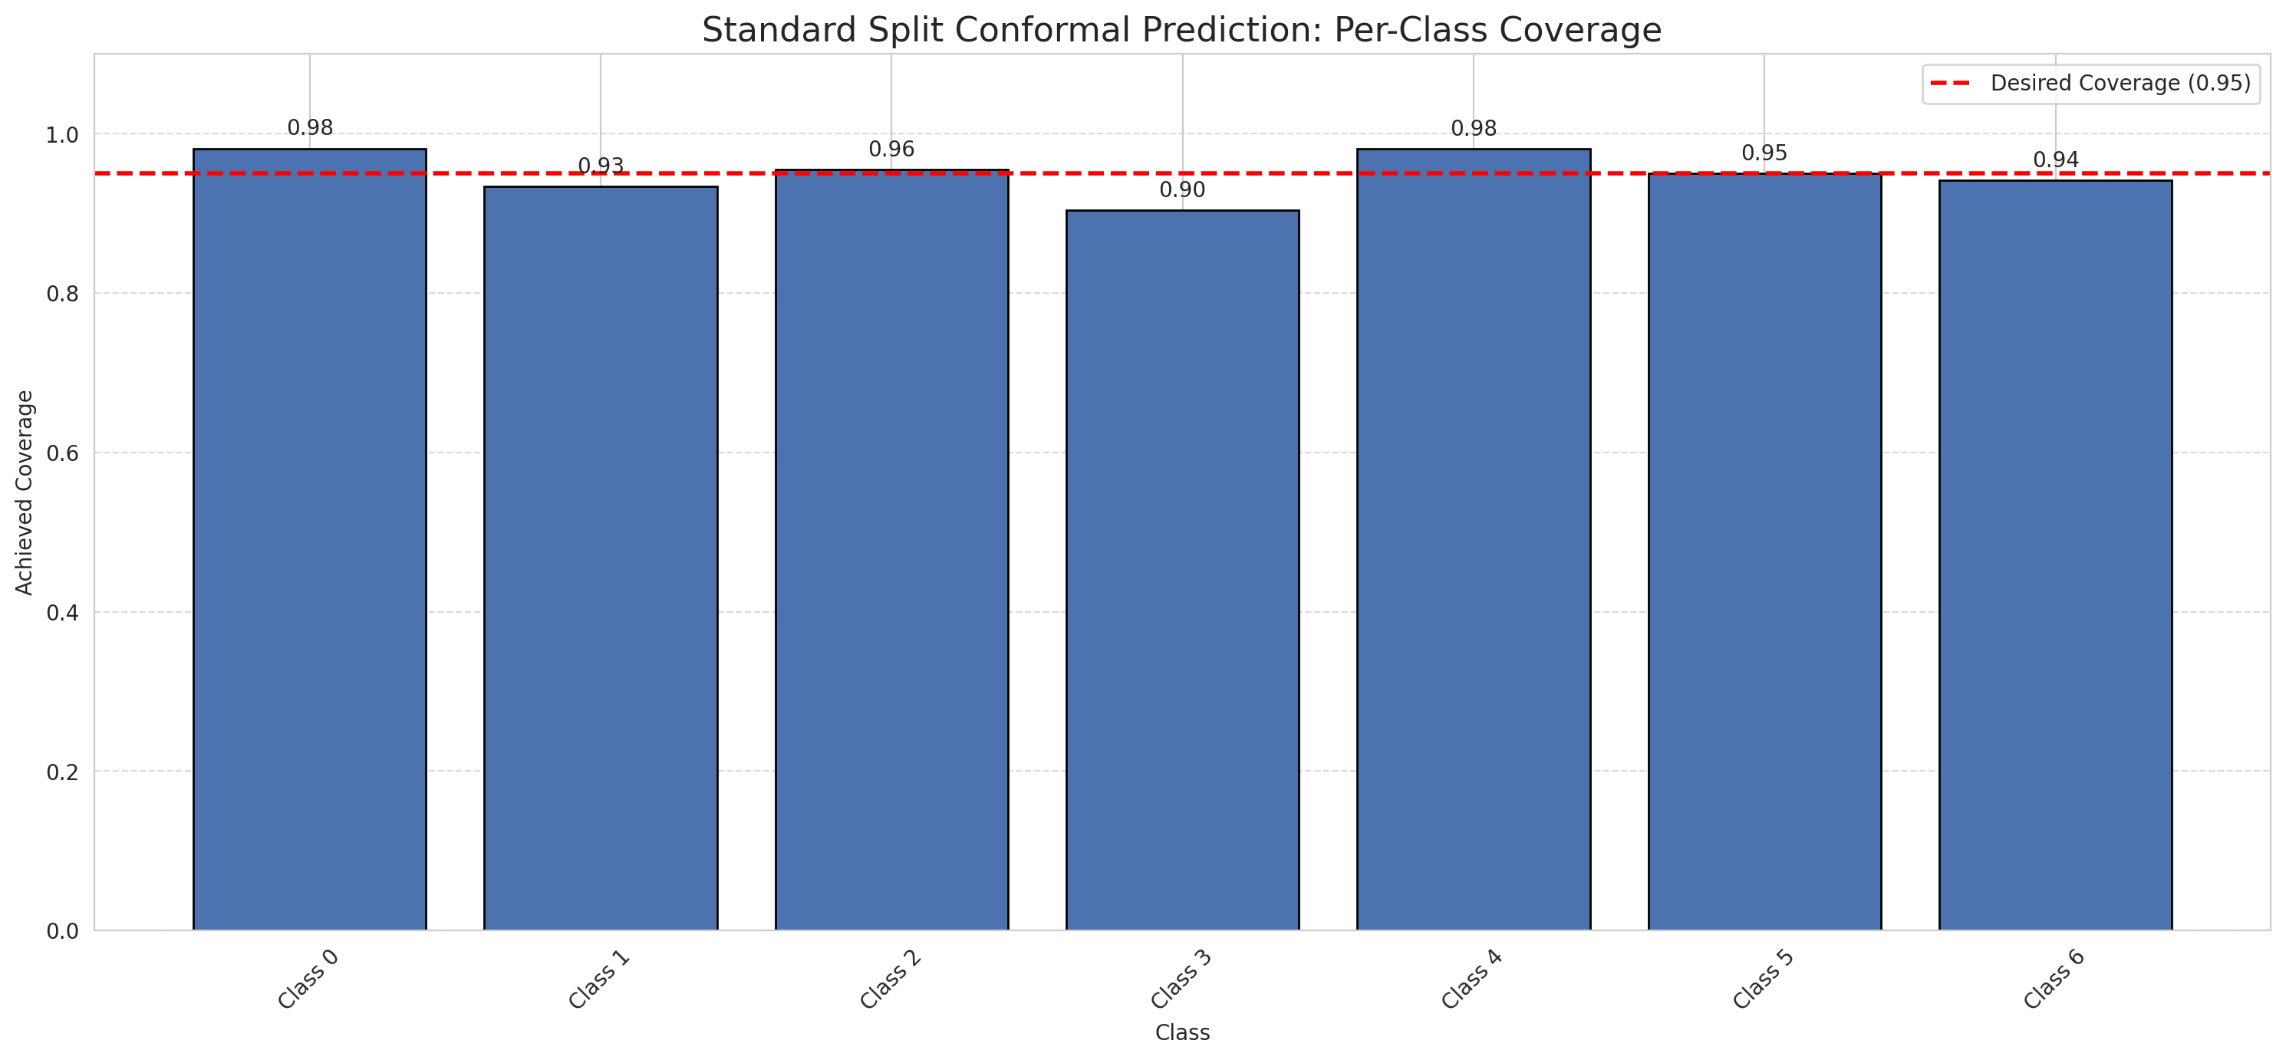
Summary
model_name | method | target_coverage | empirical_coverage | avg_set_size | median_set_size | singleton_rate | empty_set_rate | runtime_sec | alpha | lam | n_clusters | mean_per_class_coverage
GFNet | SplitConformal | 0.95 | 0.95870069606 | 0.95870069606 | 1 | 0.95870069606 | 0.041299303944 | 1.569253418 | 0.05 |  |  | 0.94955932997

Per-Class Coverage Values
class_id | class_coverage | support_count
0 | 0.98140043764 | 914
1 | 0.93392070485 | 454
2 | 0.95530726257 | 358
3 | 0.90384615385 | 156
4 | 0.98076923077 | 104
5 | 0.9504950495 | 101
6 | 0.94117647059 | 68

Pixel Counts
class_id | label | pixel_count
0 | Class 0 | 35375
1 | Class 1 | 10939
2 | Class 2 | 13778
3 | Class 3 | 2917
4 | Class 4 | 3338 |  |  |  |  |  |  | Certain vs Uncertain Map
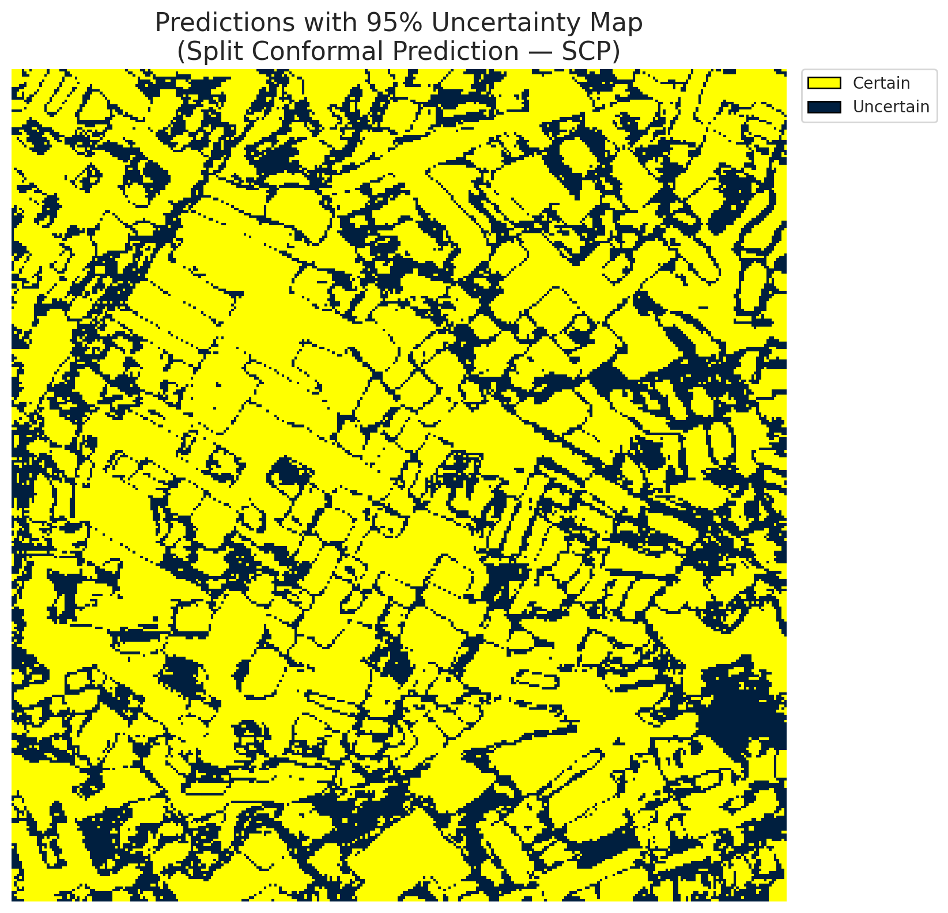
5 | Class 5 | 3104
6 | Class 6 | 1367
7 | Uncertain | 30492

Threshold
q_hat_split
0.014133498115

 |  |  |  |  |  |  |  |  | Class Map with Uncertain Mask
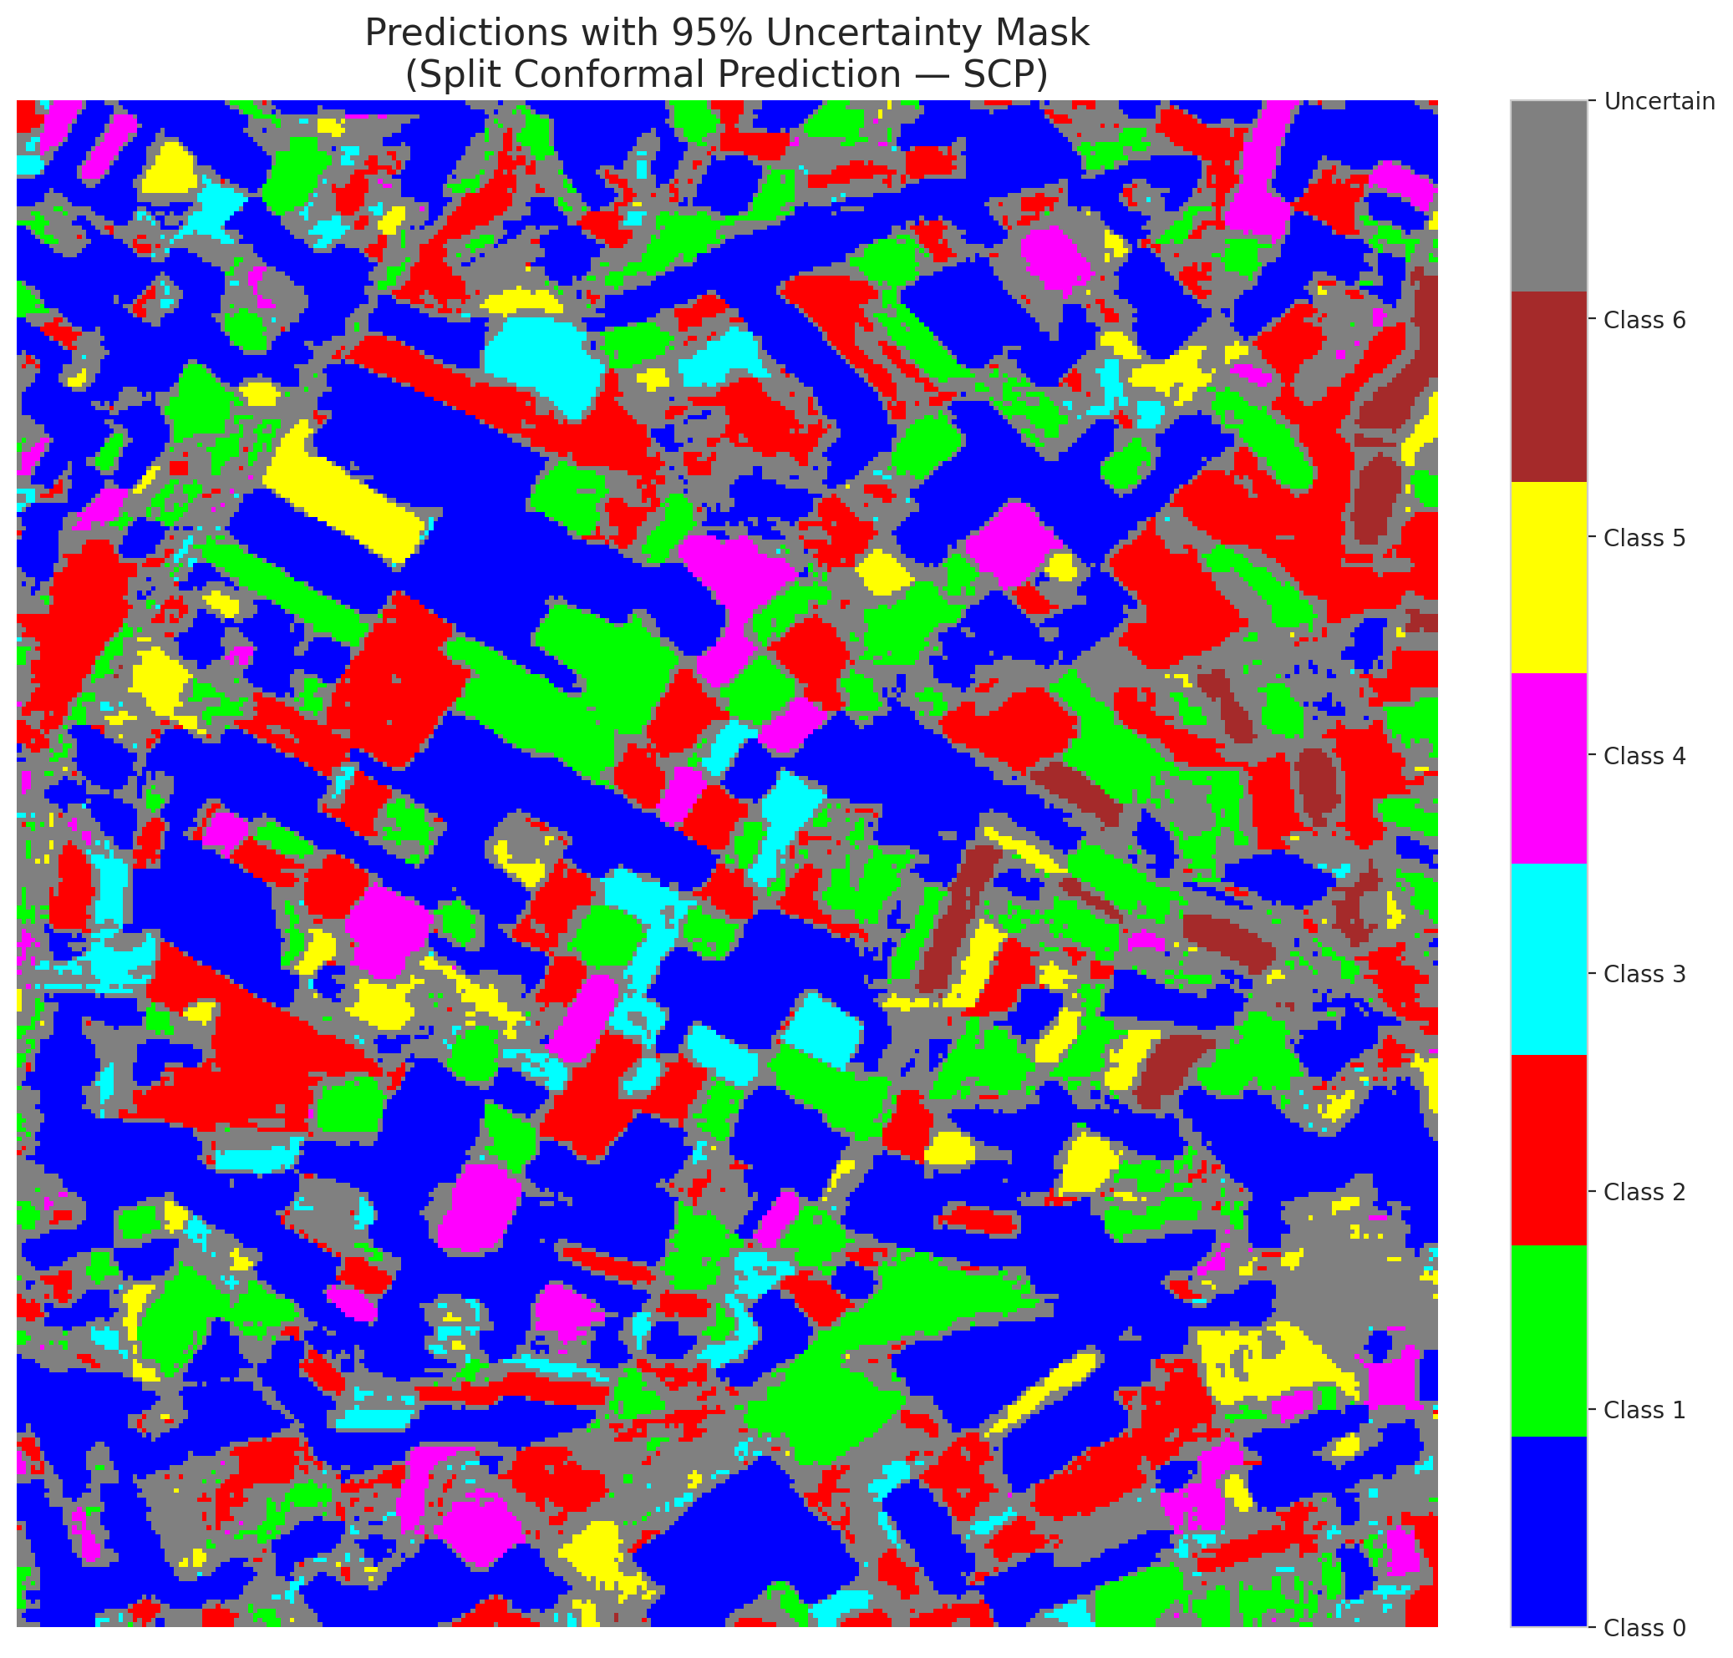

 |  |  |  |  |  |  |  |  | Pixel Counts

ClassCond_GFNet
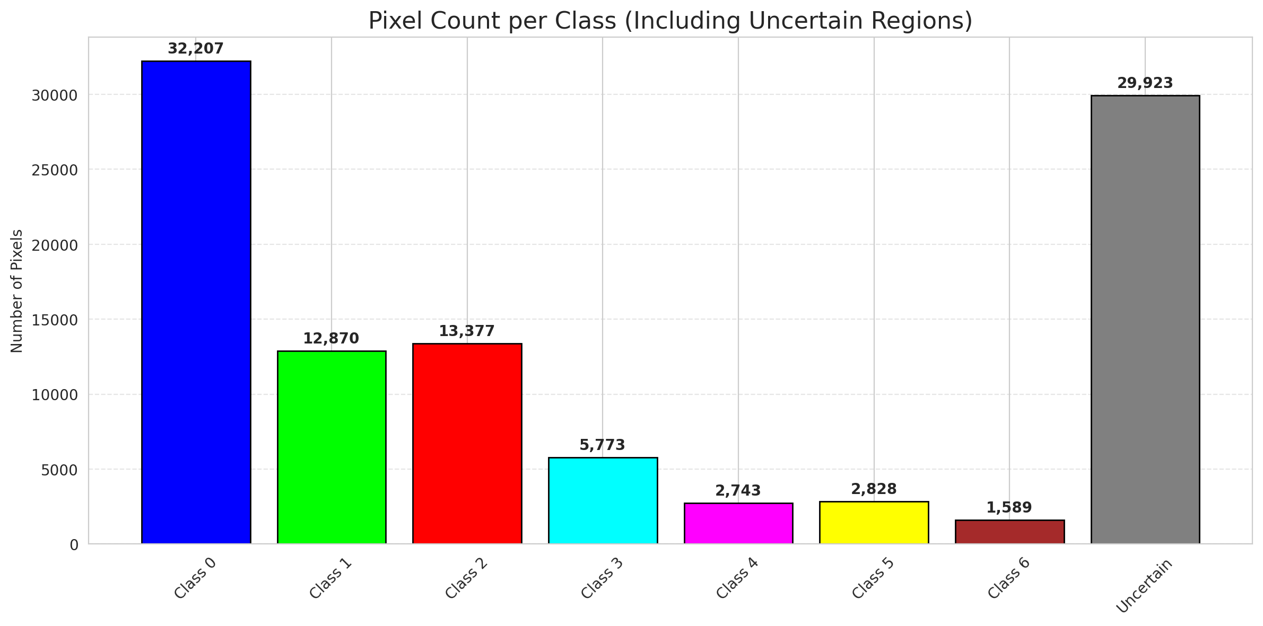
ClassConditionalConformal - GFNet |  |  |  |  |  |  |  |  | Per-Class Coverage
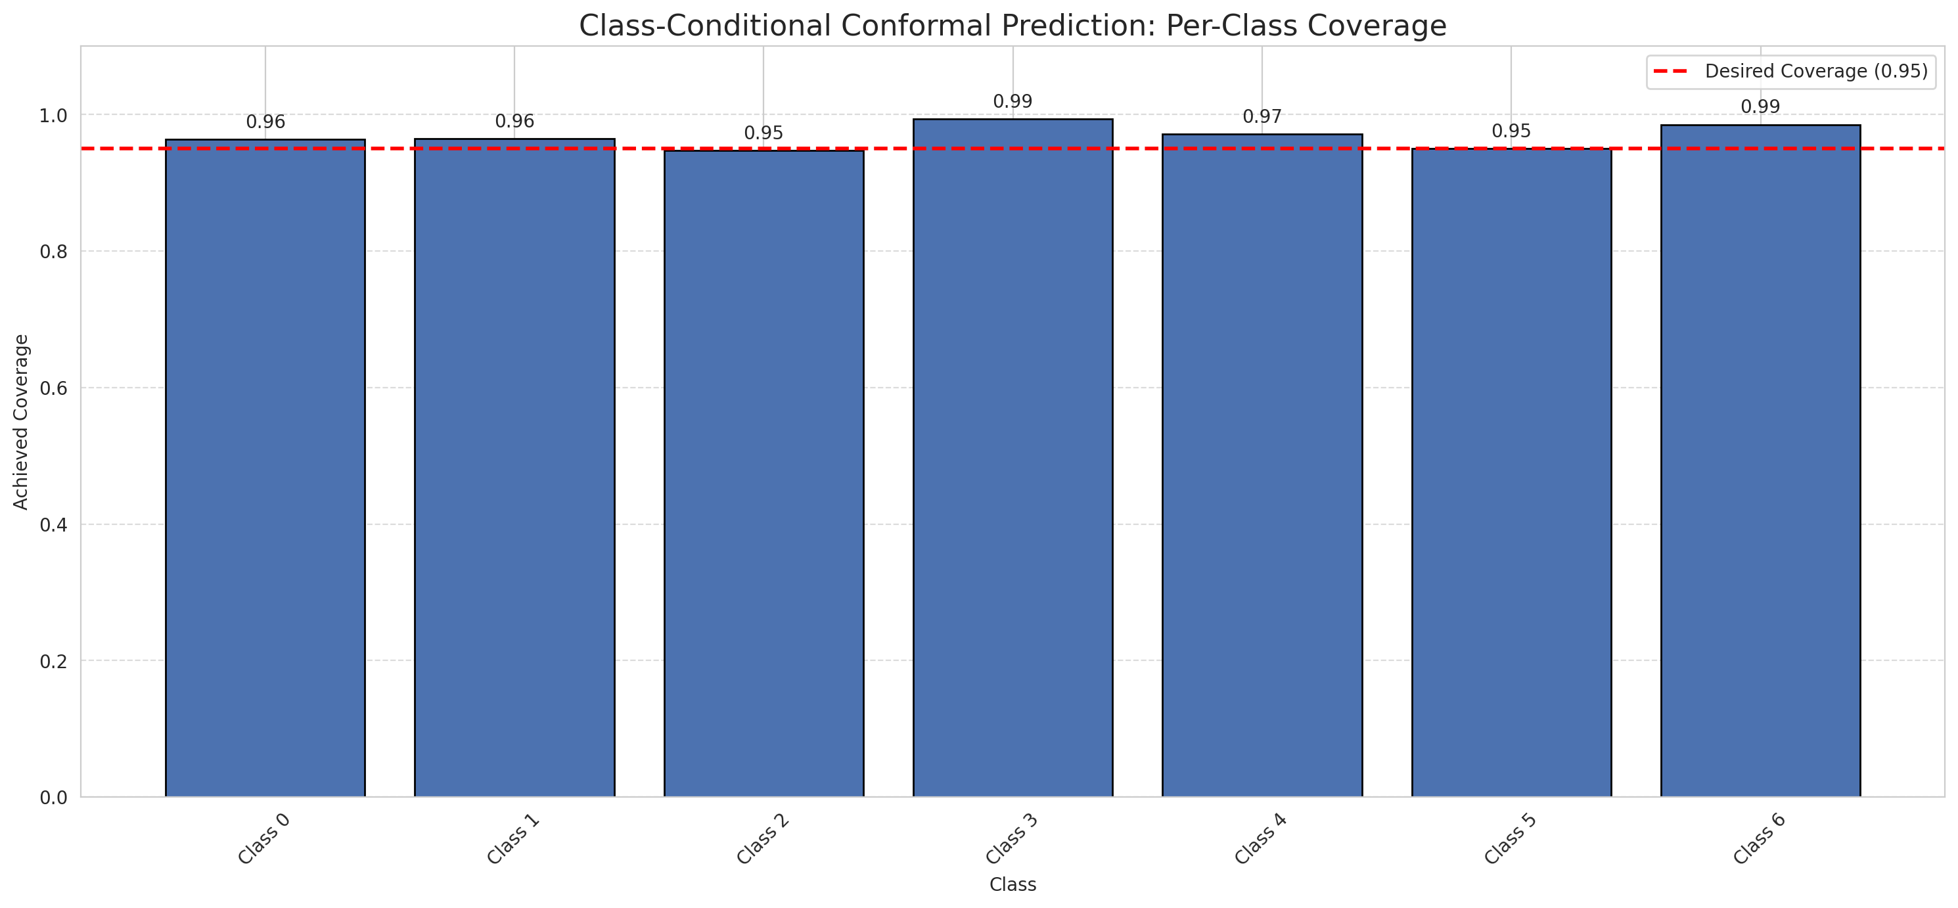
Summary
model_name | method | target_coverage | empirical_coverage | avg_set_size | median_set_size | singleton_rate | empty_set_rate | runtime_sec | alpha | lam | n_clusters | mean_per_class_coverage
GFNet | ClassConditionalConformal | 0.95 | 0.96380510441 | 0.96380510441 | 1 | 0.96380510441 | 0.036194895592 | 1.543647037 | 0.05 |  |  | 0.96801611538

Per-Class Coverage Values
class_id | class_coverage | support_count
0 | 0.96389496718 | 914
1 | 0.96475770925 | 454
2 | 0.9469273743 | 358
3 | 0.99358974359 | 156
4 | 0.97115384615 | 104
5 | 0.9504950495 | 101
6 | 0.98529411765 | 68

Pixel Counts
class_id | label | pixel_count
0 | Class 0 | 32207
1 | Class 1 | 12870
2 | Class 2 | 13377
3 | Class 3 | 5773
4 | Class 4 | 2743 |  |  |  |  |  |  | Certain vs Uncertain Map
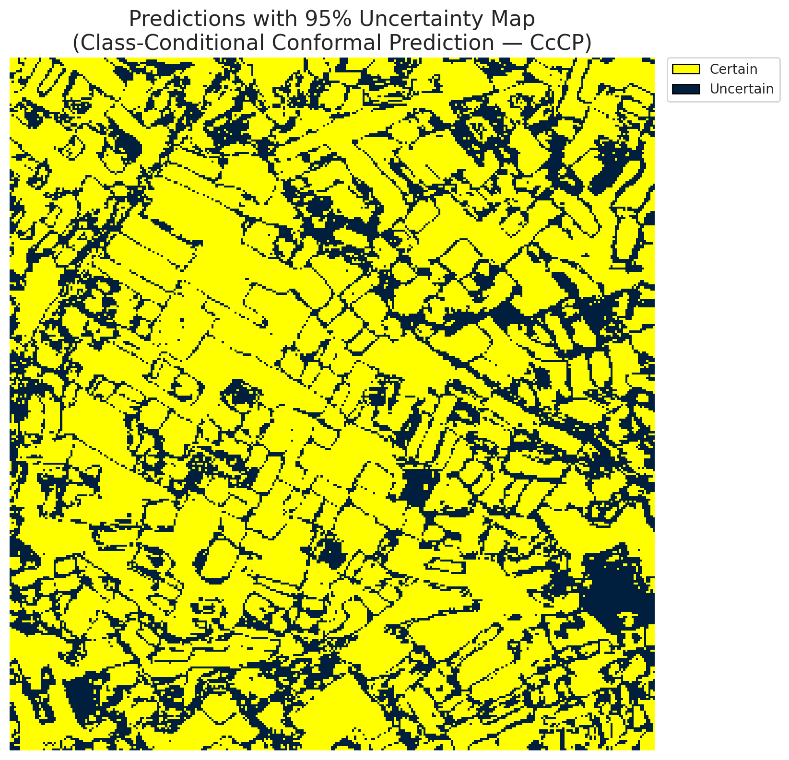
5 | Class 5 | 2828
6 | Class 6 | 1589
7 | Uncertain | 29923

Classwise q_hat
class_id | q_hat_classconditional
0 | 0.0030222681254
1 | 0.049517155844
2 | 0.011309121309
3 | 0.36894358225
4 | 0.0019442221397
5 | 0.0084046971255
6 | 0.049914777663

 |  |  |  |  |  |  |  |  | Class Map with Uncertain Mask
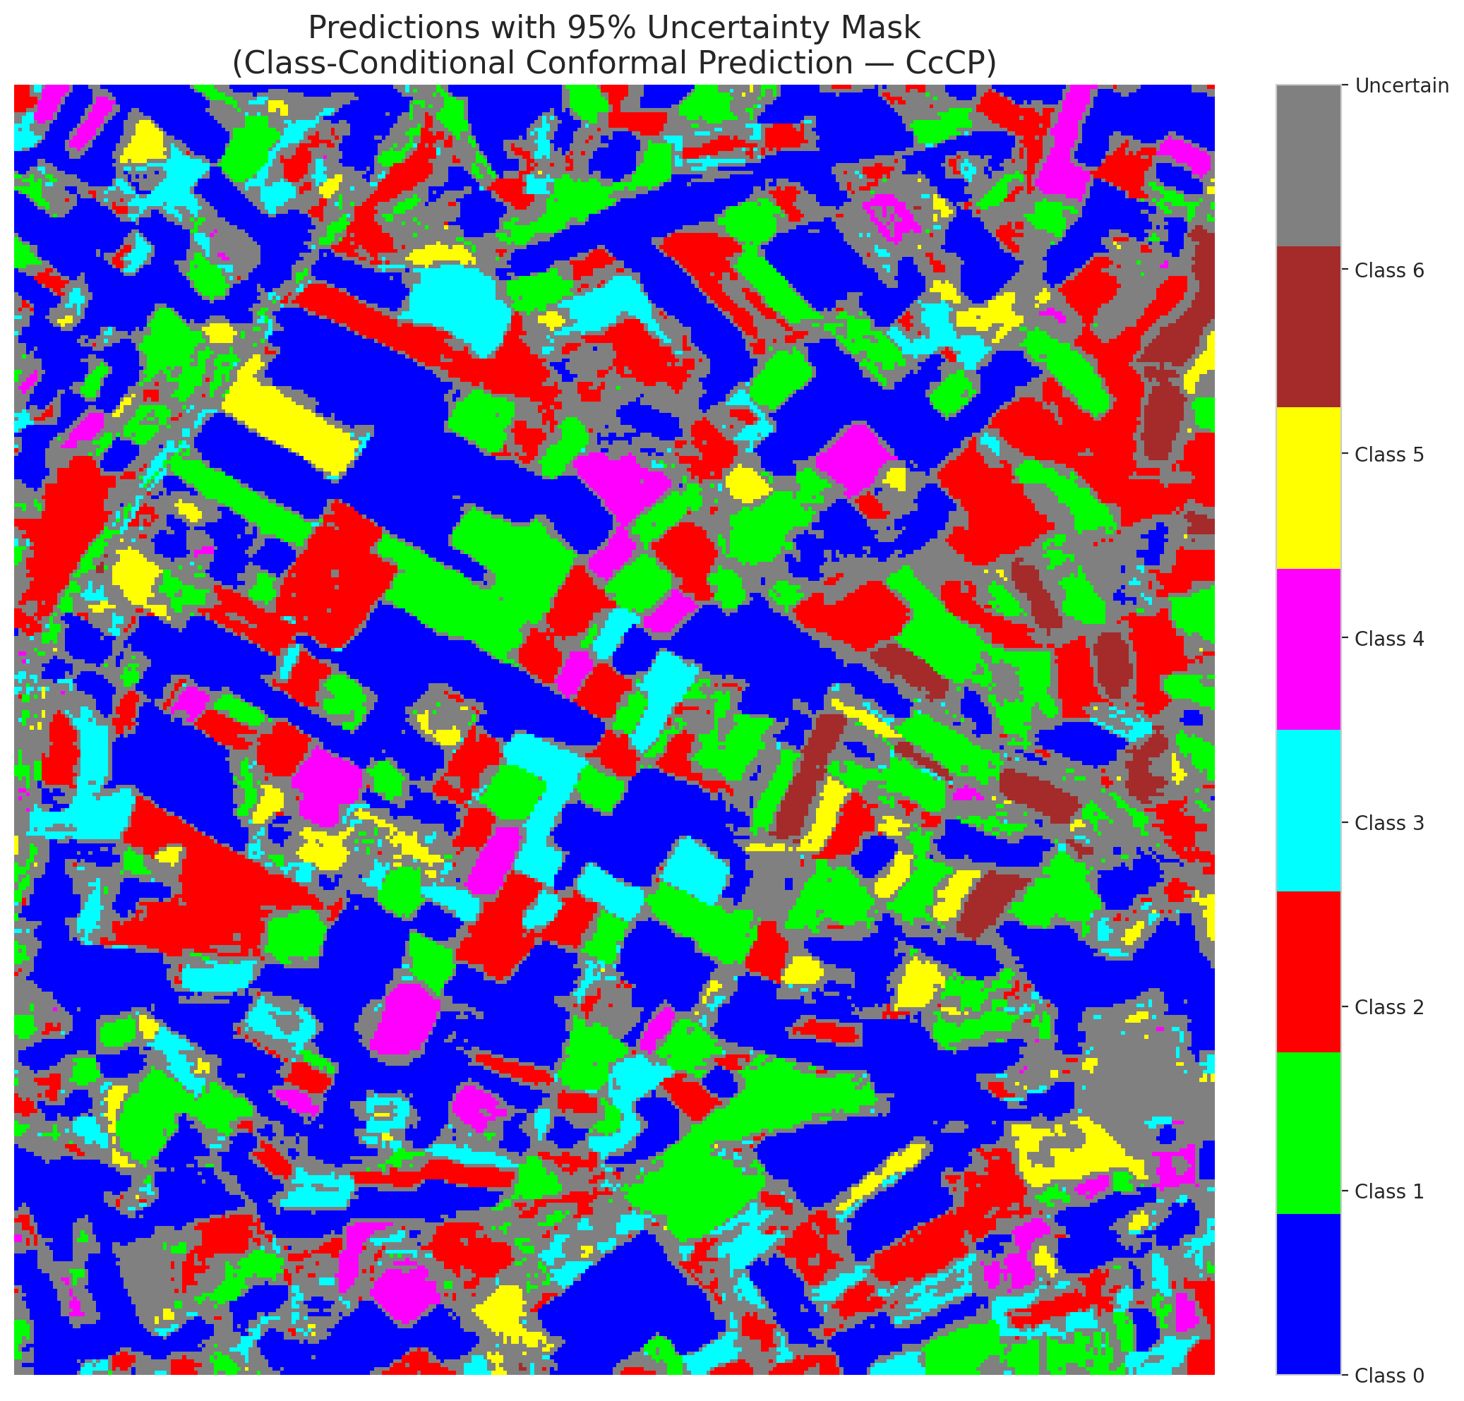

 |  |  |  |  |  |  |  |  | Pixel Counts

RC3P_GFNet
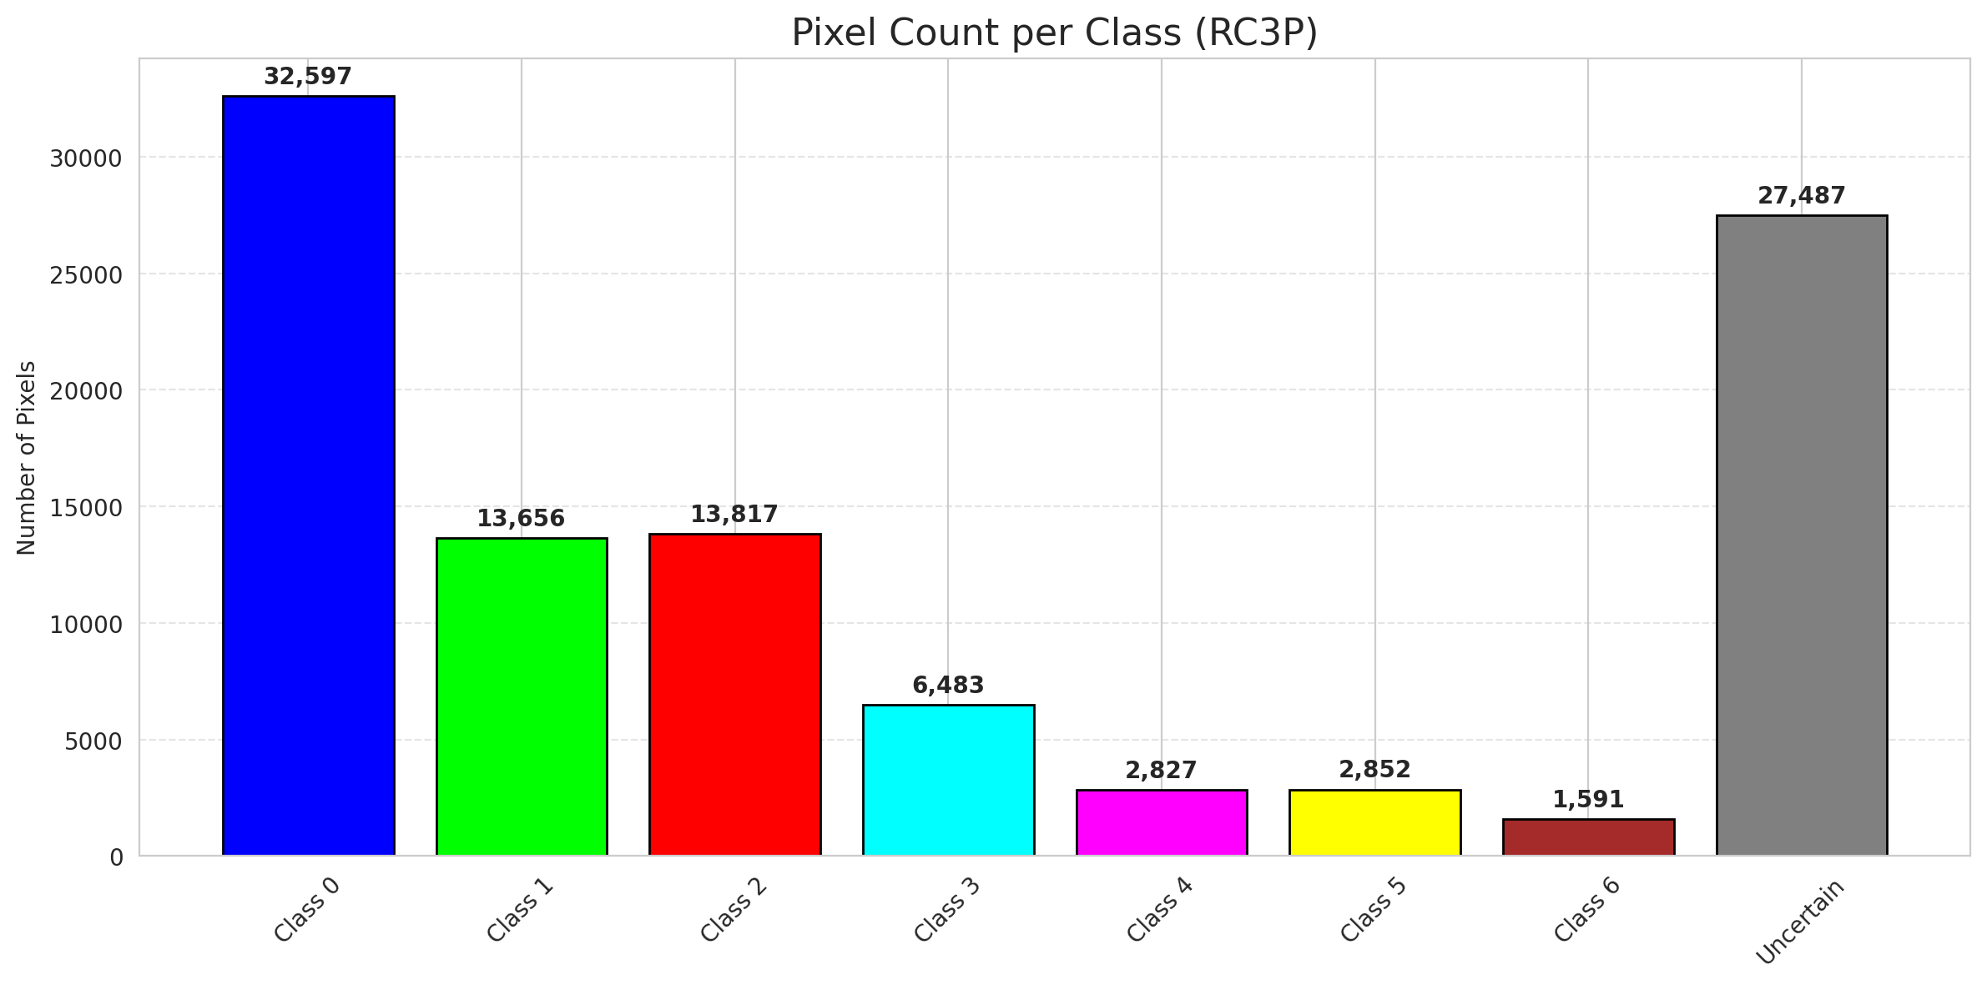
RC3P - GFNet |  |  |  |  |  |  |  |  | Per-Class Coverage
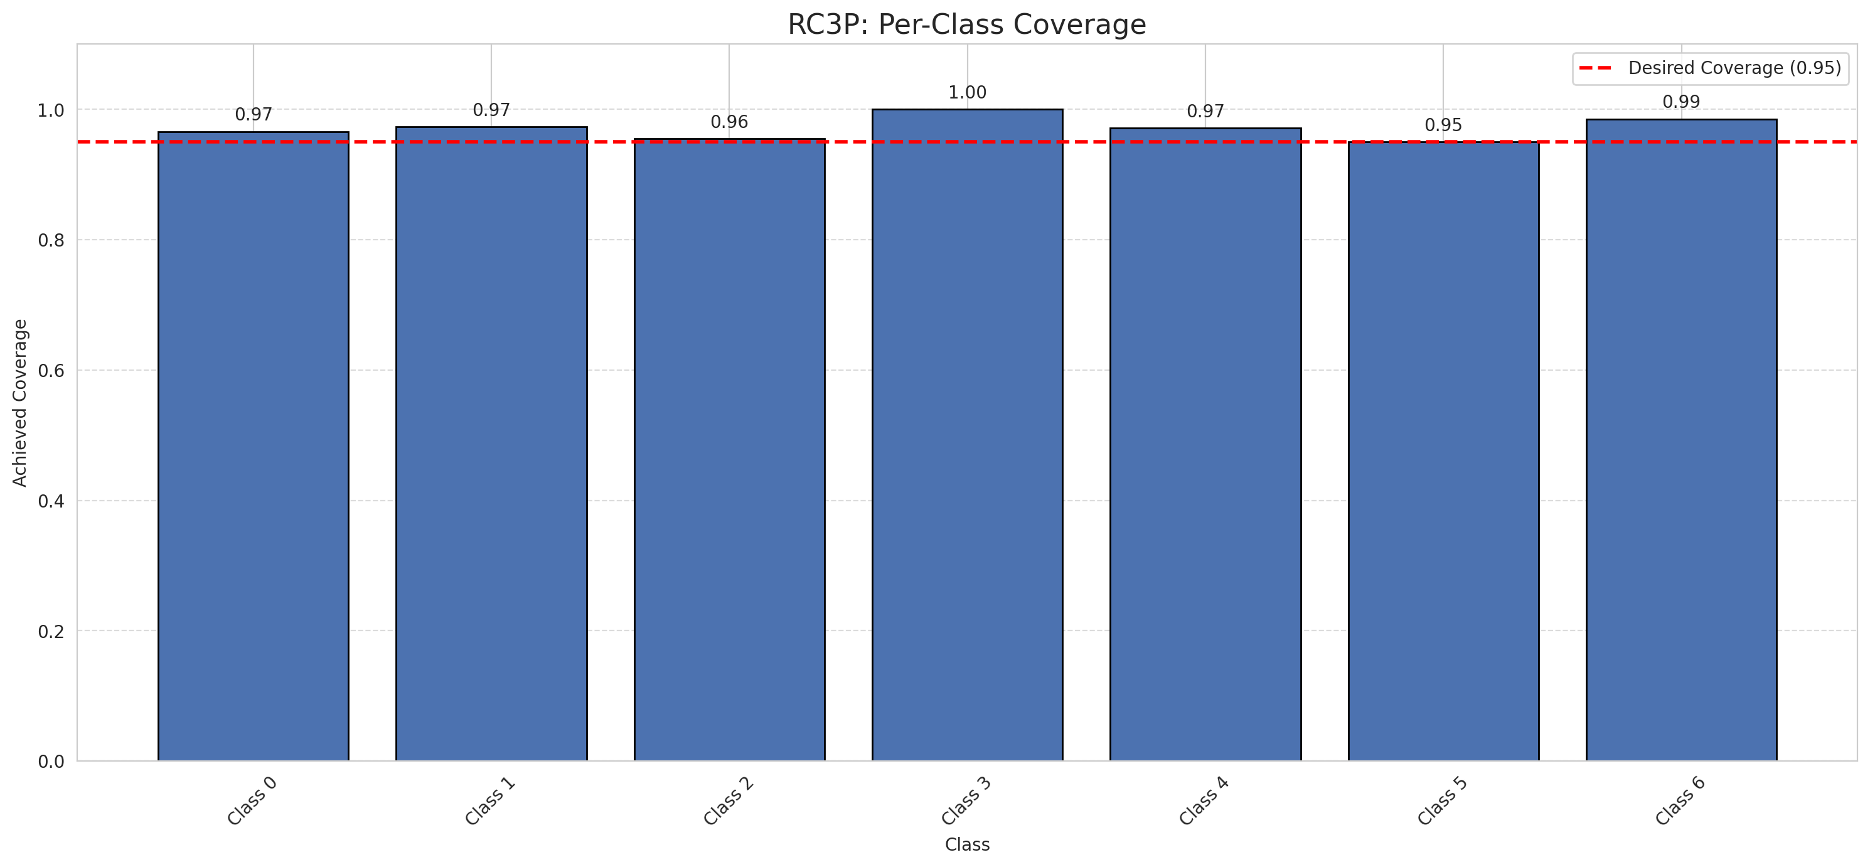
Summary
model_name | method | target_coverage | empirical_coverage | avg_set_size | median_set_size | singleton_rate | empty_set_rate | runtime_sec | alpha | lam | n_clusters | mean_per_class_coverage
GFNet | RC3P | 0.95 | 0.96844547564 | 0.96844547564 | 1 | 0.96844547564 | 0.031554524362 | 2.222422941 | 0.05 |  |  | 0.97170024411

Per-Class Coverage Values
class_id | class_coverage | support_count
0 | 0.96608315098 | 914
1 | 0.97356828194 | 454
2 | 0.95530726257 | 358
3 | 1 | 156
4 | 0.97115384615 | 104
5 | 0.9504950495 | 101
6 | 0.98529411765 | 68

Pixel Counts
class_id | label | pixel_count
0 | Class 0 | 32597
1 | Class 1 | 13656
2 | Class 2 | 13817
3 | Class 3 | 6483
4 | Class 4 | 2827 |  |  |  |  |  |  | Certain vs Uncertain Map
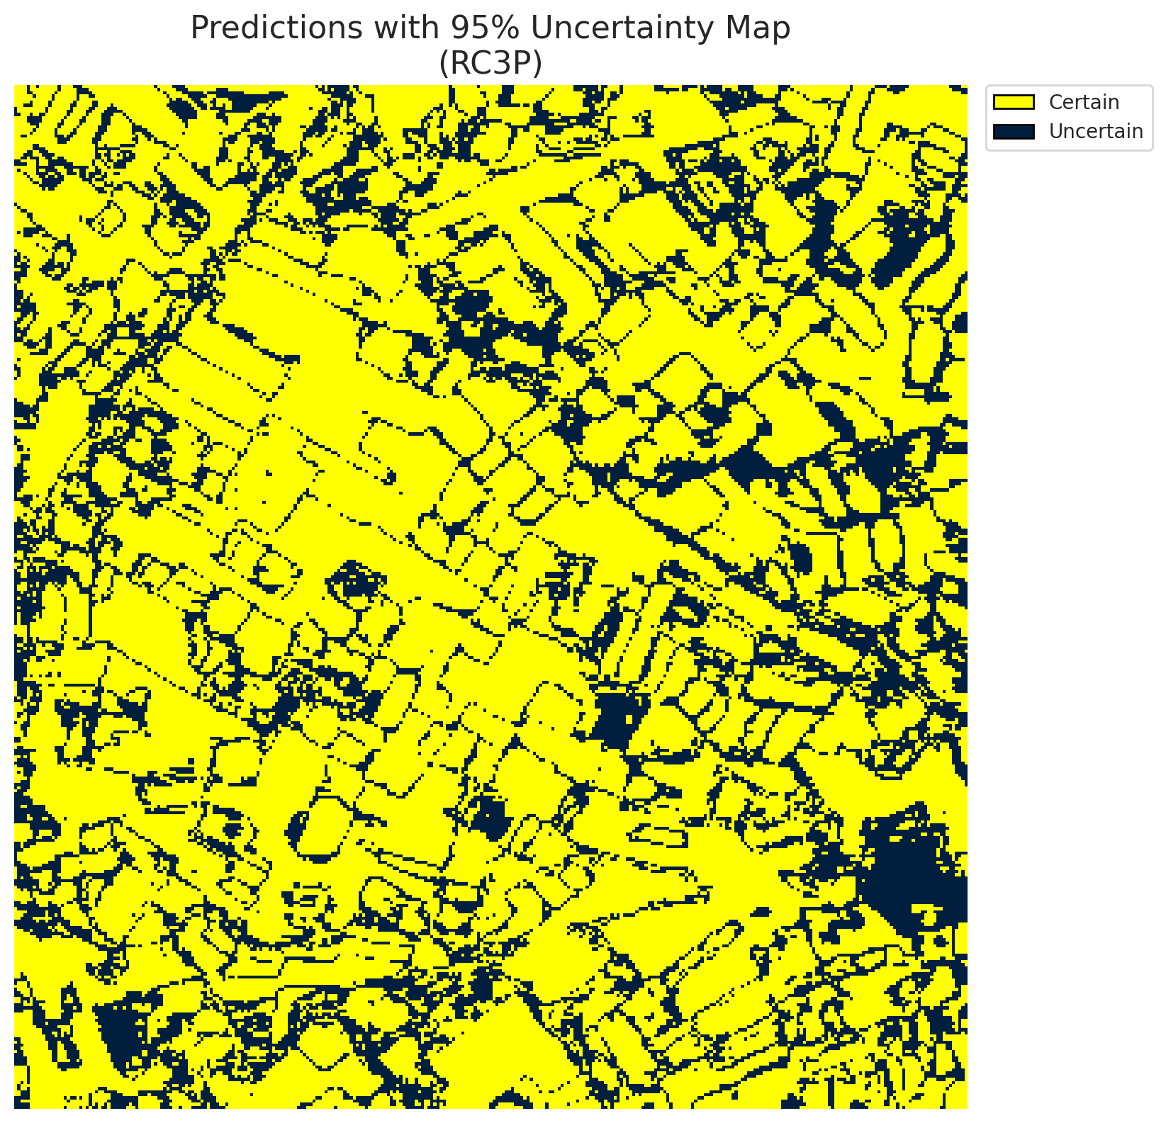
5 | Class 5 | 2852
6 | Class 6 | 1591
7 | Uncertain | 27487

RC3P Thresholds & Limits
class_id | q_hat_rc3p | suit_index_limit
0 | 0.0035374509856 | 2
1 | 0.081036424194 | 2
2 | 0.013882455995 | 2
3 | 0.55883187608 | 2
4 | 0.002389230526 | 2
5 | 0.0084123128548 | 2
6 | 0.049914777663 | 2

 |  |  |  |  |  |  |  |  | Class Map with Uncertain Mask
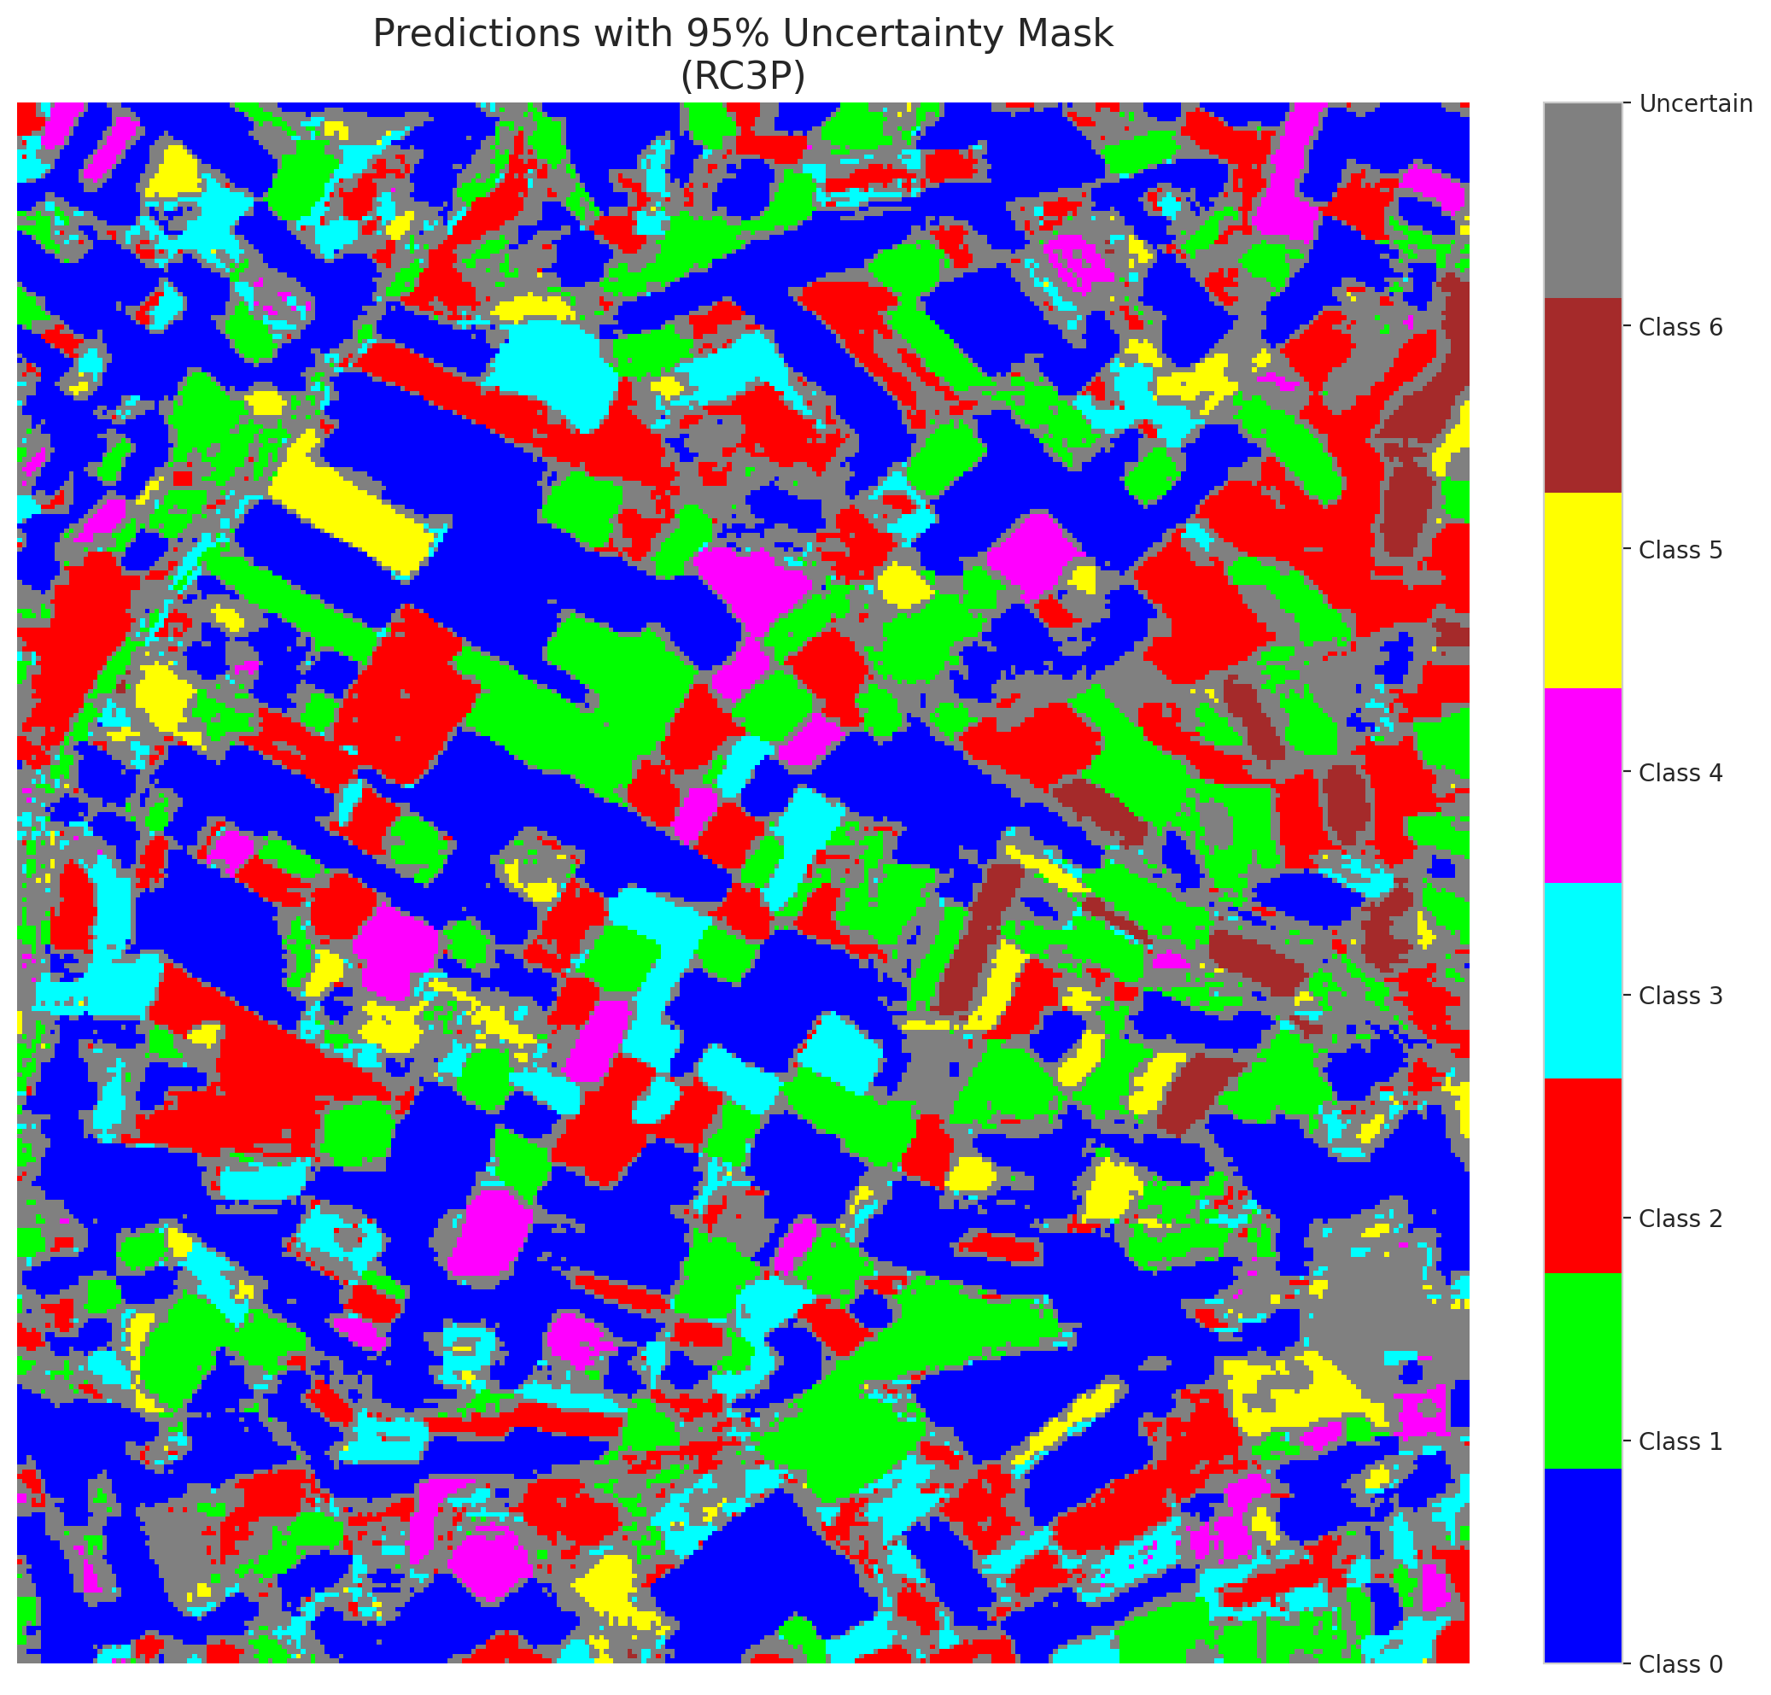

 |  |  |  |  |  |  |  |  | Pixel Counts

Clustered_GFNet
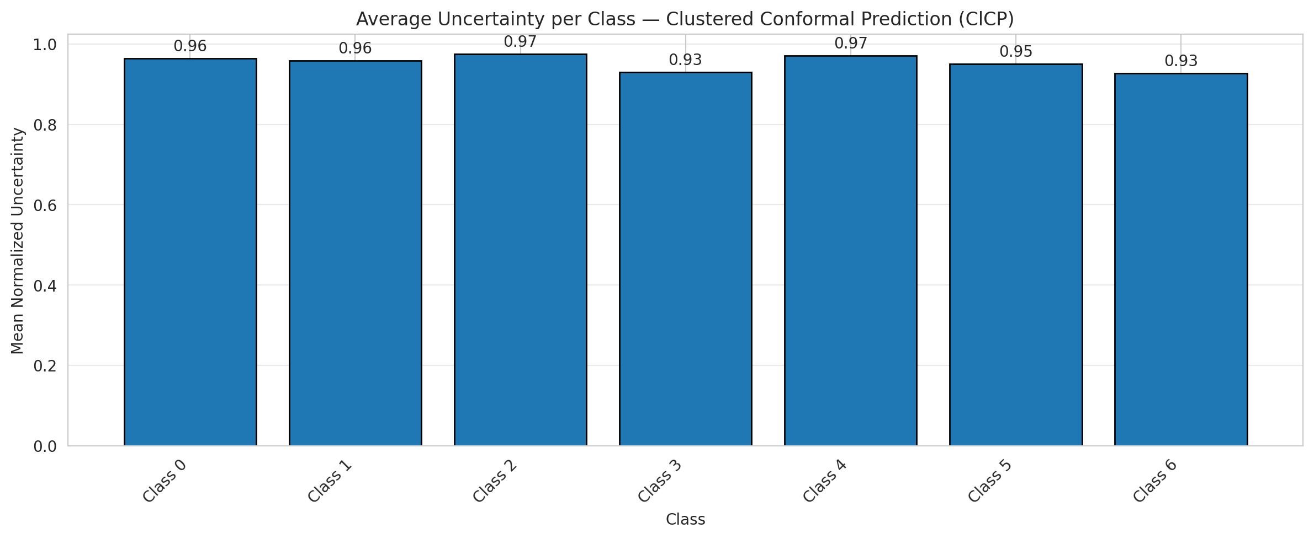
ClusteredConformal - GFNet |  |  |  |  |  |  |  |  | Per-Class Coverage
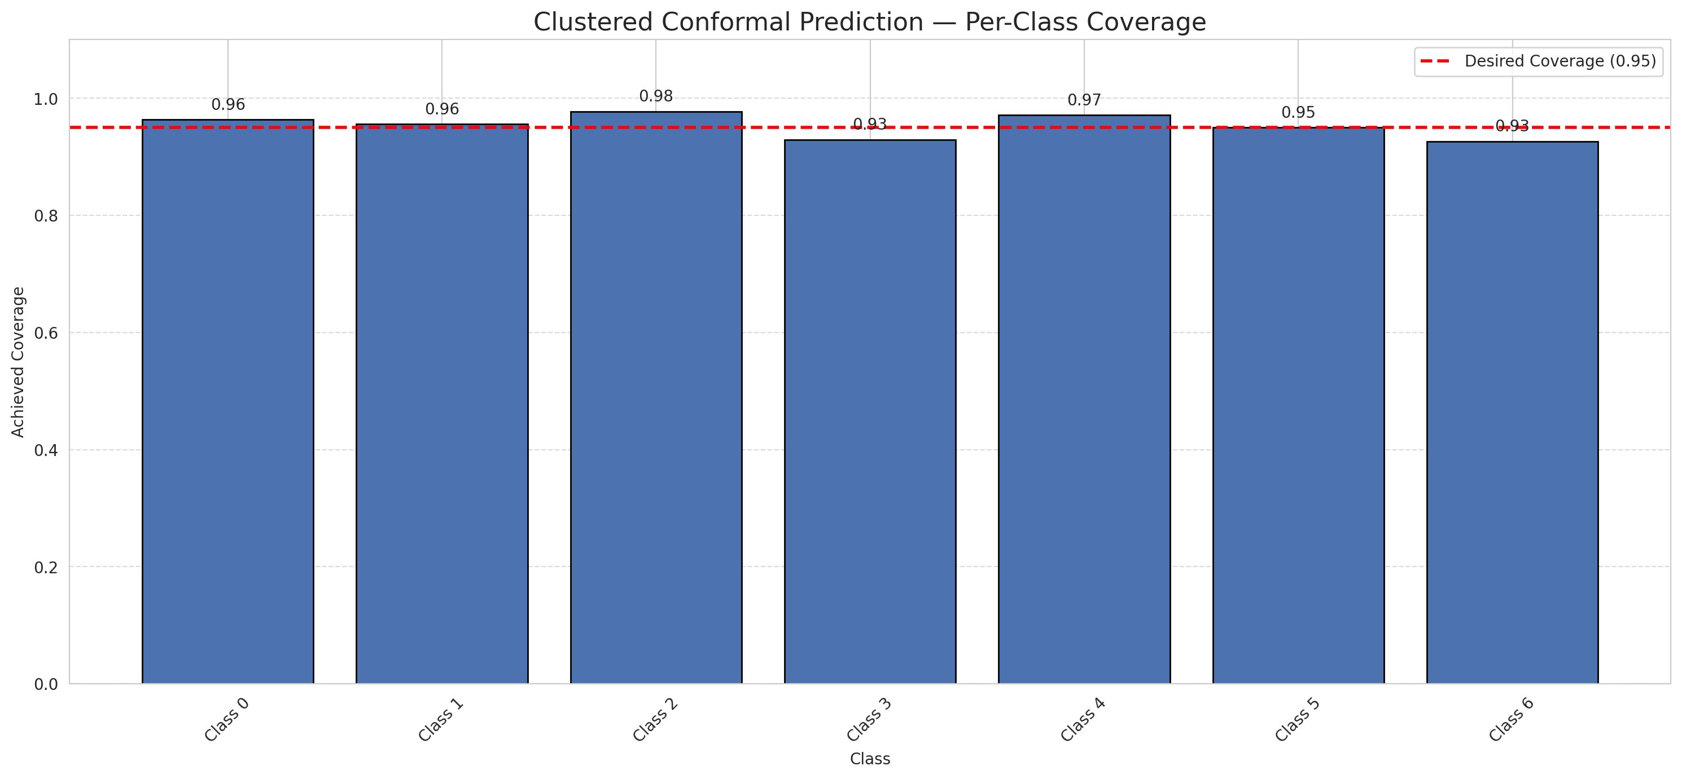
Summary
model_name | method | target_coverage | empirical_coverage | avg_set_size | median_set_size | singleton_rate | empty_set_rate | runtime_sec | alpha | lam | n_clusters | mean_per_class_coverage
GFNet | ClusteredConformal | 0.95 | 0.96055684455 | 0.96055684455 | 1 | 0.96055684455 | 0.039443155452 | 5.714405934 | 0.05 |  | 4 | 0.95358605692

Per-Class Coverage Values
class_id | class_coverage | support_count
0 | 0.96389496718 | 914
1 | 0.95594713656 | 454
2 | 0.97765363128 | 358
3 | 0.92948717949 | 156
4 | 0.97115384615 | 104
5 | 0.9504950495 | 101
6 | 0.92647058824 | 68

Class-to-Cluster Assignment
class_id | cluster_id
0 | 2
1 | 0
2 | 0
3 | 0
4 | 3 |  |  |  |  |  |  |  | Uncertainty Distribution

5 | 1
6 | 1

Cluster q_hat
cluster_id | q_hat_cluster
0 | 0.03075429922
1 | 0.012722663193
2 | 0.0030222681254
3 | 0.0019442221397

Cluster Mean Uncertainty
cluster | uncertainty
0 | 0.9597107438
1 | 0.94082840237
2 | 0.96389496718
3 | 0.97115384615

Class Mean Uncertainty
class_id | uncertainty
0 | 0.96389496718
1 | 0.95805739514 |  |  |  |  |  |  |  | Avg Uncertainty per Cluster
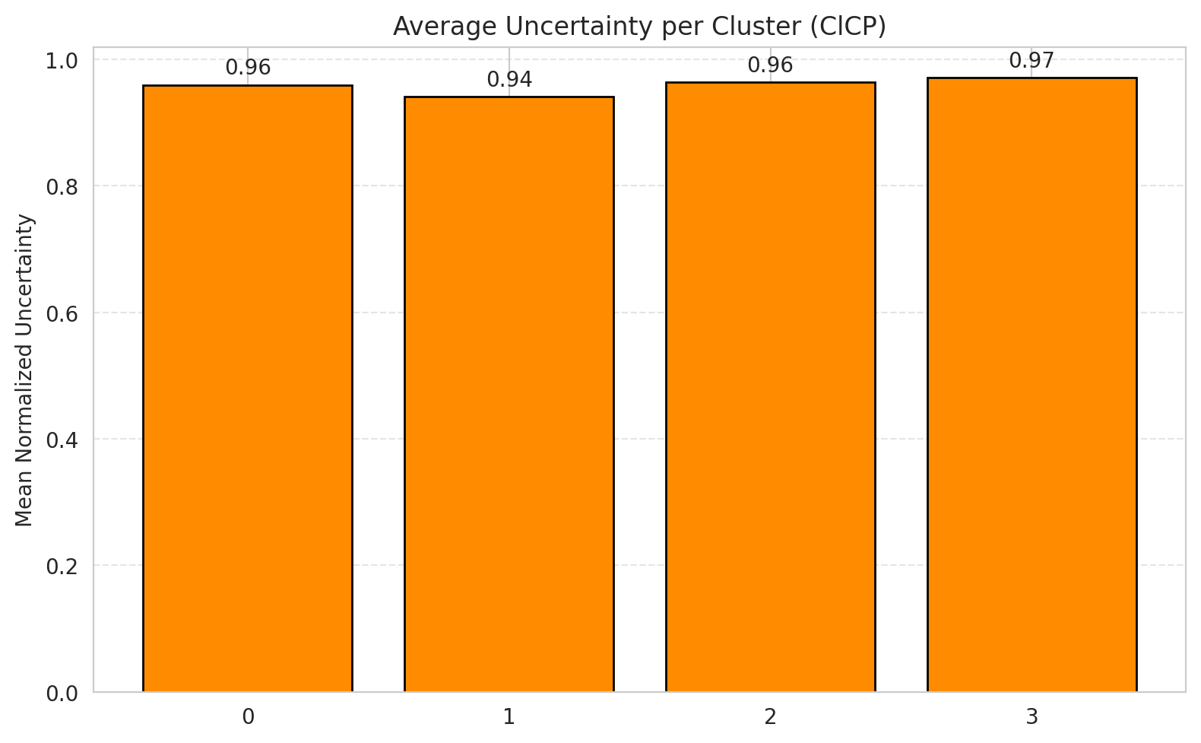
2 | 0.97493036212
3 | 0.92948717949
4 | 0.97115384615
5 | 0.9504950495
6 | 0.92647058824

 |  |  |  |  |  |  |  |  | Avg Uncertainty per Class

RAPS_GFNet
RAPS - GFNet |  |  |  |  |  |  |  |  | Per-Class Coverage
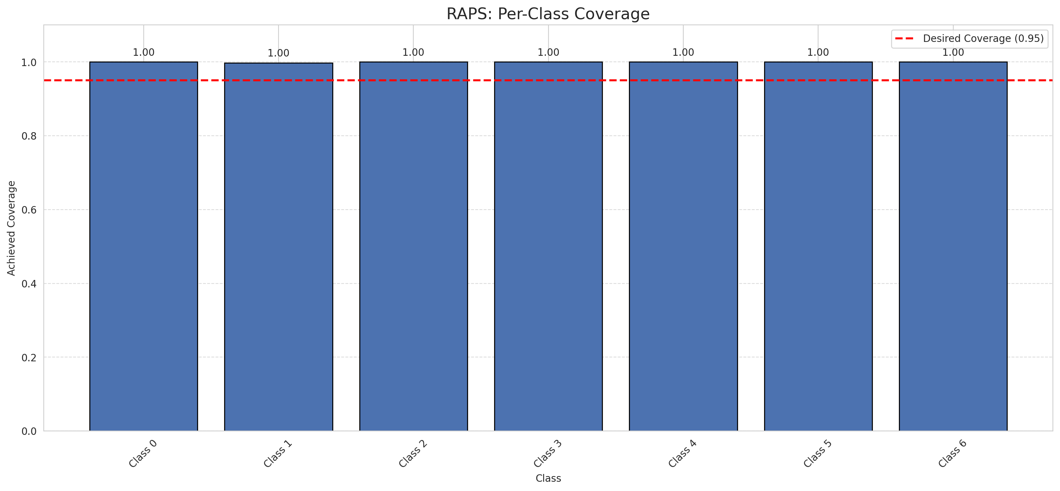
Summary
model_name | method | target_coverage | empirical_coverage | avg_set_size | median_set_size | singleton_rate | empty_set_rate | runtime_sec | alpha | lam | n_clusters | mean_per_class_coverage
GFNet | RAPS | 0.95 | 0.99953596288 | 1 | 1 | 1 | 0 | 0.3942678 | 0.05 | 0.01 |  | 0.99968533669

Per-Class Coverage Values
class_id | class_coverage | support_count
0 | 1 | 914
1 | 0.99779735683 | 454
2 | 1 | 358
3 | 1 | 156
4 | 1 | 104
5 | 1 | 101
6 | 1 | 68

RAPS Parameters
q_hat_raps | lambda | k_reg
0 | 0.01 | 1

Split_ViT
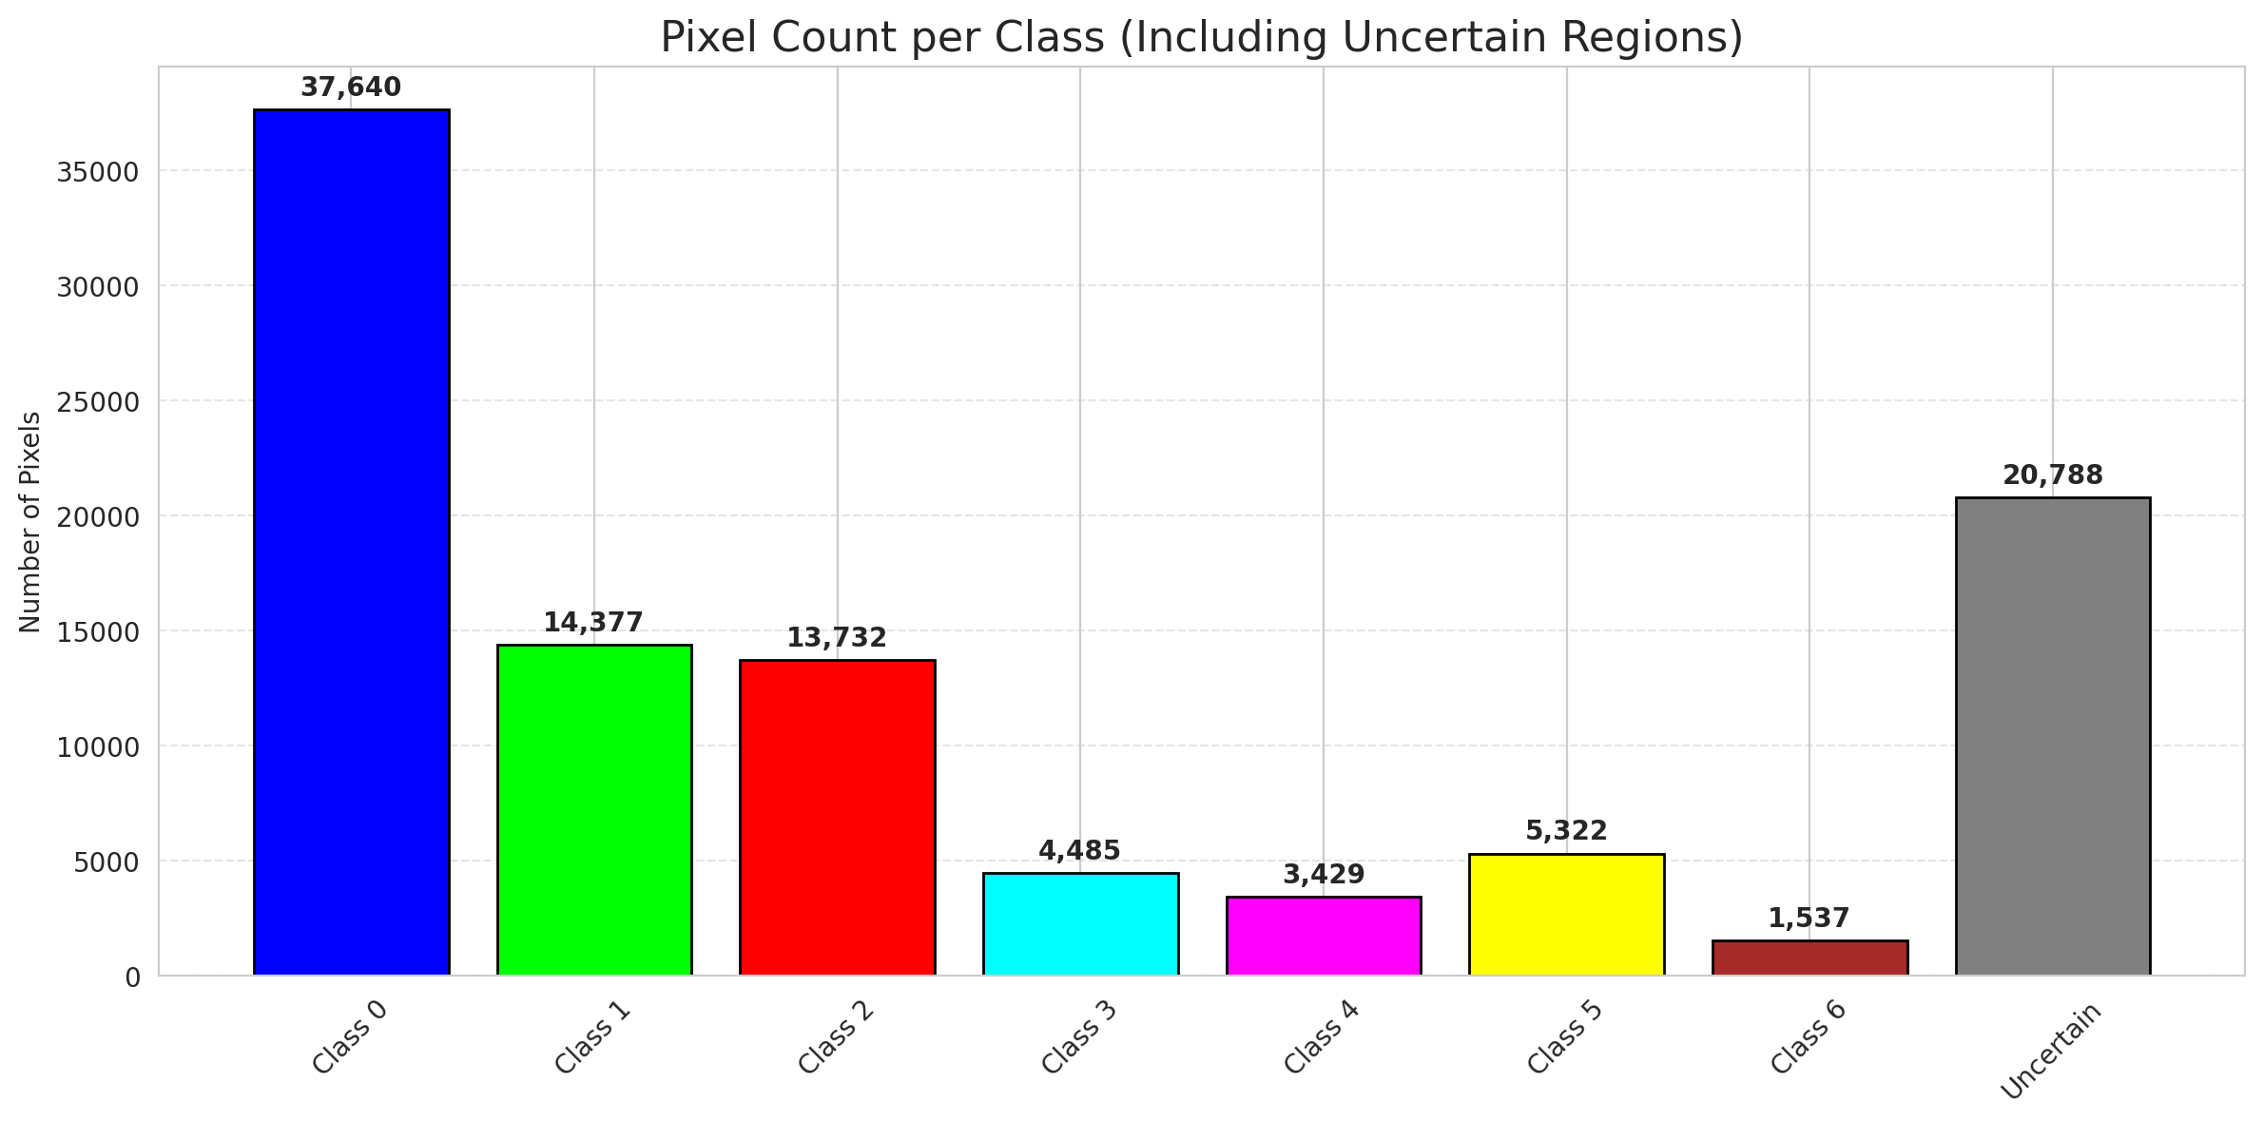
SplitConformal - ViT |  |  |  |  |  |  |  |  | Per-Class Coverage
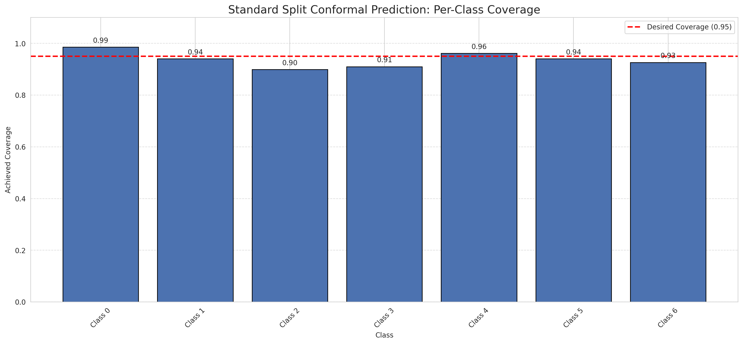
Summary
model_name | method | target_coverage | empirical_coverage | avg_set_size | median_set_size | singleton_rate | empty_set_rate | runtime_sec | alpha | lam | n_clusters | mean_per_class_coverage
ViT | SplitConformal | 0.95 | 0.95127610209 | 0.95220417633 | 1 | 0.95220417633 | 0.047795823666 | 1.574518835 | 0.05 |  |  | 0.93780089998

Per-Class Coverage Values
class_id | class_coverage | support_count
0 | 0.98577680525 | 914
1 | 0.94052863436 | 454
2 | 0.89944134078 | 358
3 | 0.91025641026 | 156
4 | 0.96153846154 | 104
5 | 0.94059405941 | 101
6 | 0.92647058824 | 68

Pixel Counts
class_id | label | pixel_count
0 | Class 0 | 37640
1 | Class 1 | 14377
2 | Class 2 | 13732
3 | Class 3 | 4485
4 | Class 4 | 3429 |  |  |  |  |  |  | Certain vs Uncertain Map
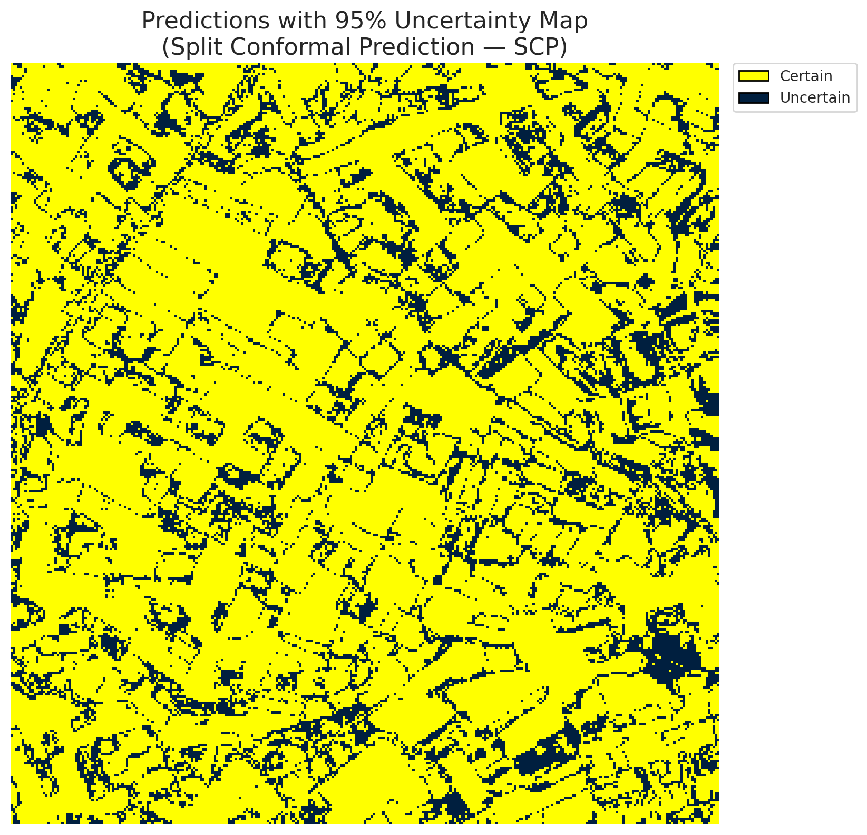
5 | Class 5 | 5322
6 | Class 6 | 1537
7 | Uncertain | 20788

Threshold
q_hat_split
0.05409854077

 |  |  |  |  |  |  |  |  | Class Map with Uncertain Mask
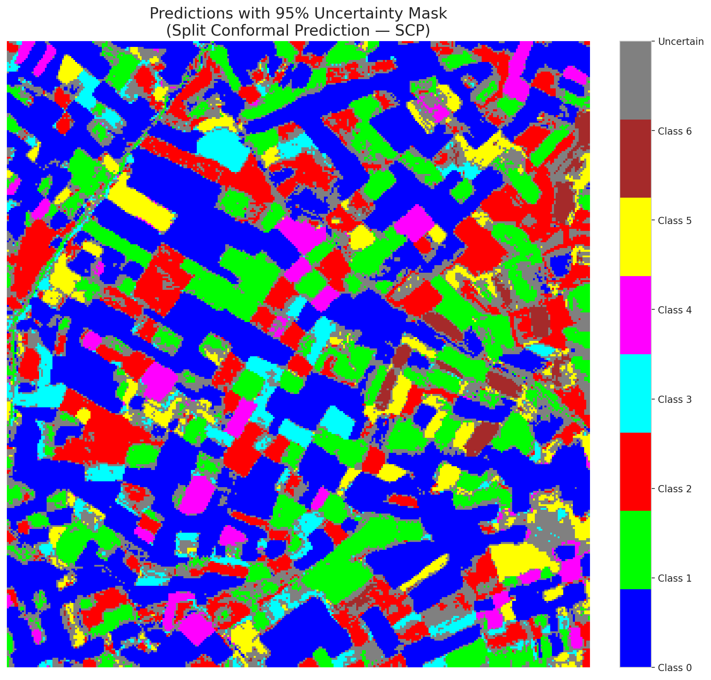

 |  |  |  |  |  |  |  |  | Pixel Counts

ClassCond_ViT
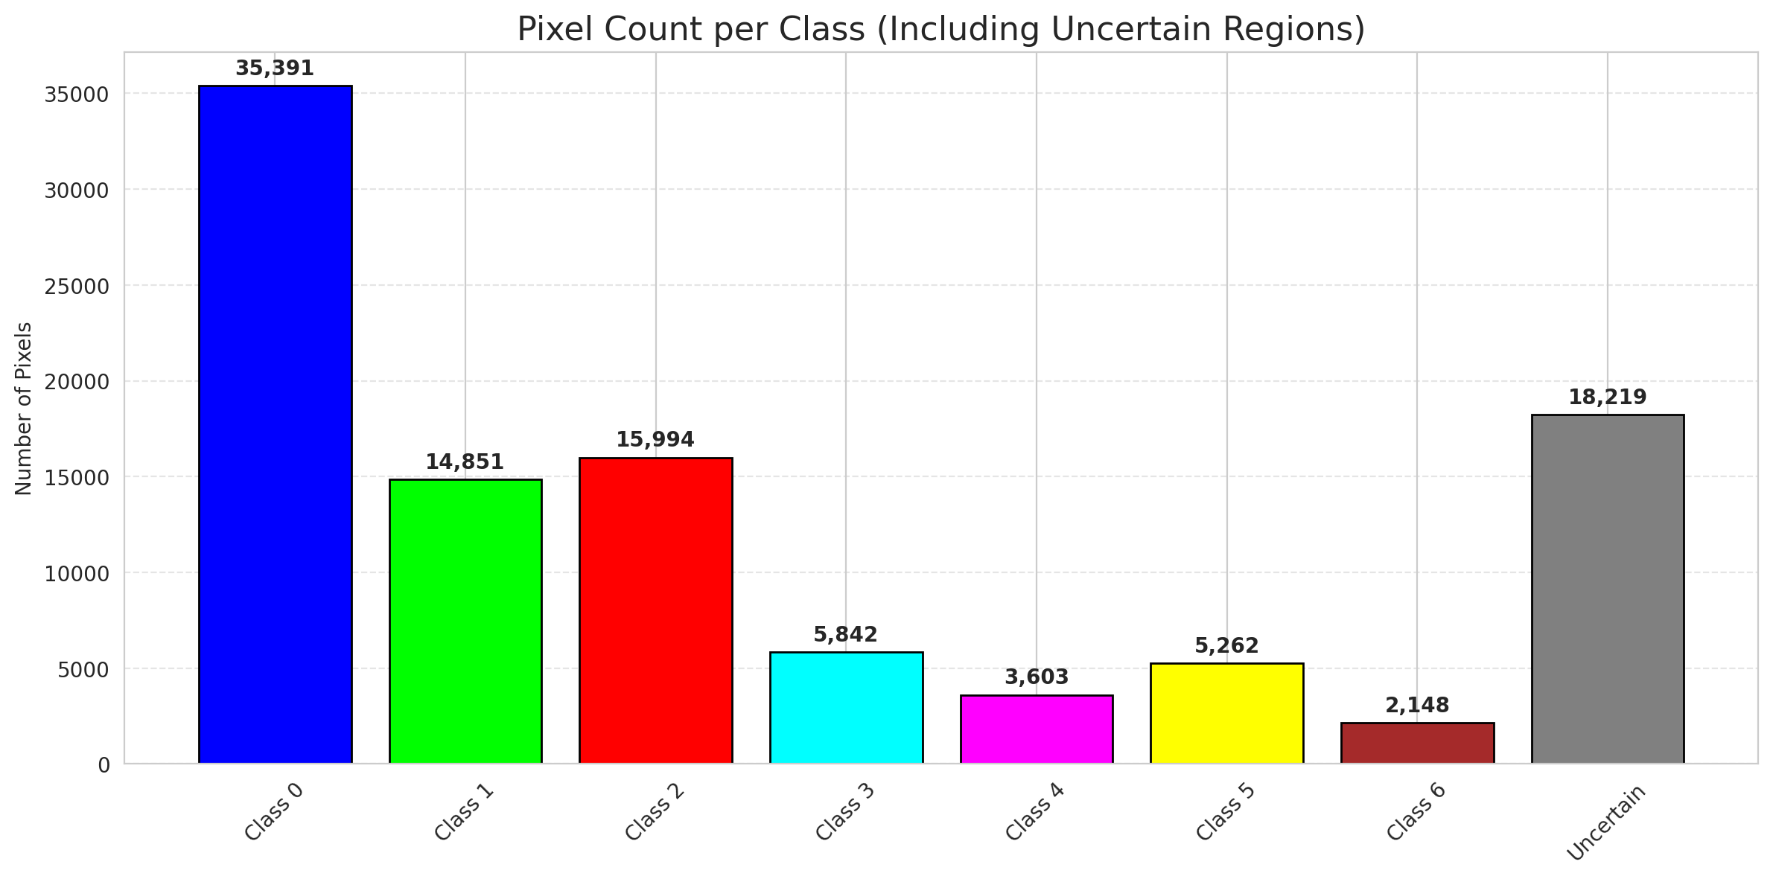
ClassConditionalConformal - ViT |  |  |  |  |  |  |  |  | Per-Class Coverage
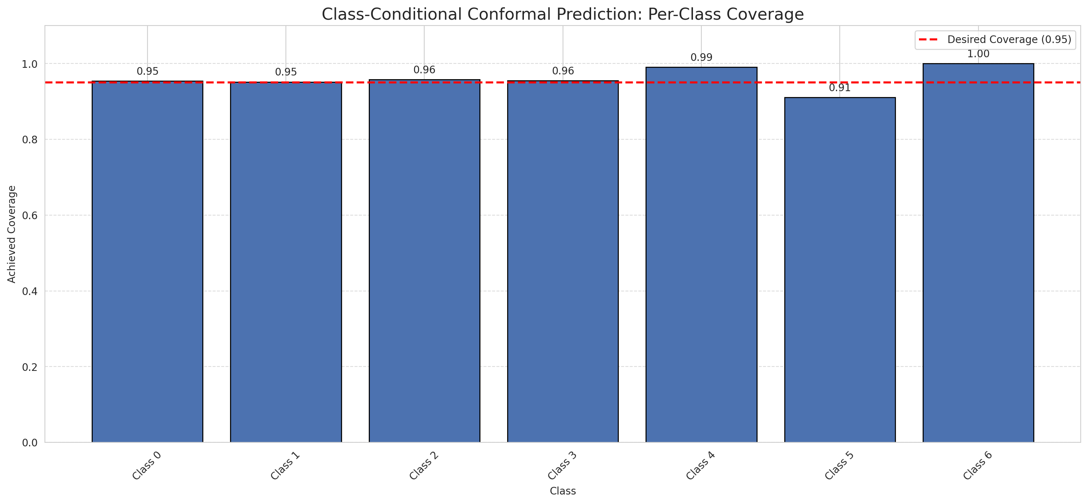
Summary
model_name | method | target_coverage | empirical_coverage | avg_set_size | median_set_size | singleton_rate | empty_set_rate | runtime_sec | alpha | lam | n_clusters | mean_per_class_coverage
ViT | ClassConditionalConformal | 0.95 | 0.95545243619 | 0.96194895592 | 1 | 0.95730858469 | 0.040371229698 | 1.87343322 | 0.05 |  |  | 0.96001349408

Per-Class Coverage Values
class_id | class_coverage | support_count
0 | 0.95404814004 | 914
1 | 0.95154185022 | 454
2 | 0.95810055866 | 358
3 | 0.95512820513 | 156
4 | 0.99038461538 | 104
5 | 0.91089108911 | 101
6 | 1 | 68

Pixel Counts
class_id | label | pixel_count
0 | Class 0 | 35391
1 | Class 1 | 14851
2 | Class 2 | 15994
3 | Class 3 | 5842
4 | Class 4 | 3603 |  |  |  |  |  |  | Certain vs Uncertain Map
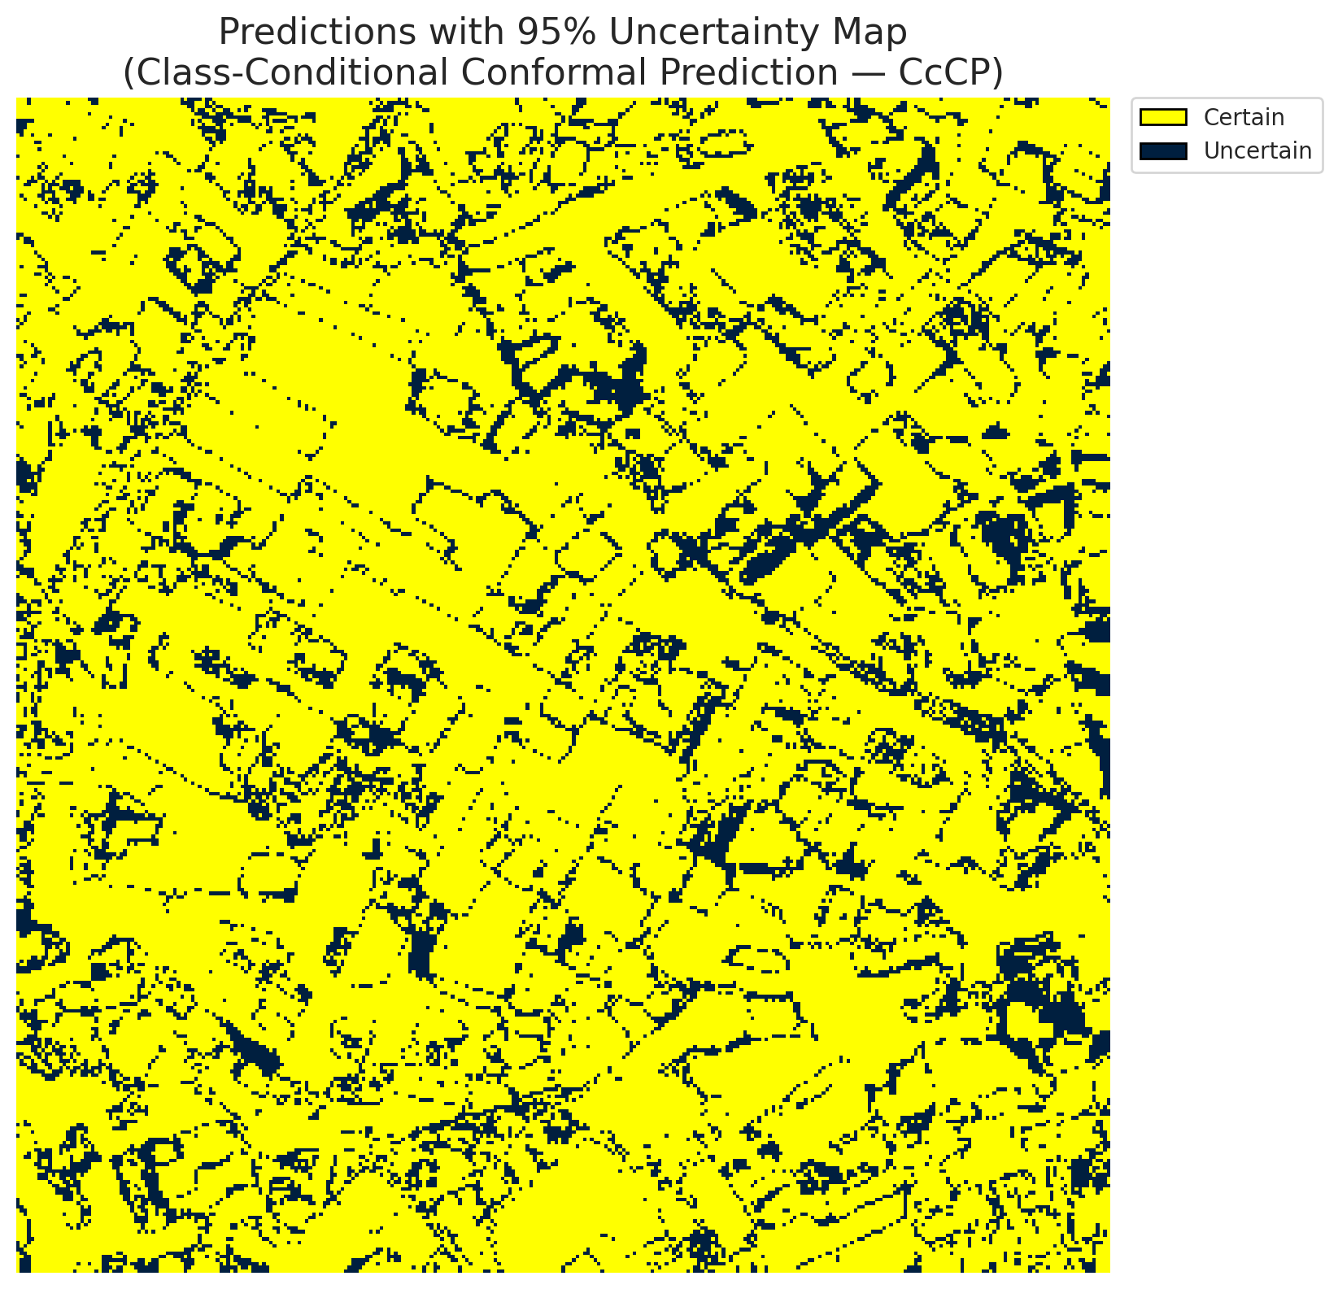
5 | Class 5 | 5262
6 | Class 6 | 2148
7 | Uncertain | 18219

Classwise q_hat
class_id | q_hat_classconditional
0 | 0.0058507315587
1 | 0.064320989971
2 | 0.16397311962
3 | 0.1888853617
4 | 0.074125900951
5 | 0.019508225699
6 | 0.99266801639

 |  |  |  |  |  |  |  |  | Class Map with Uncertain Mask
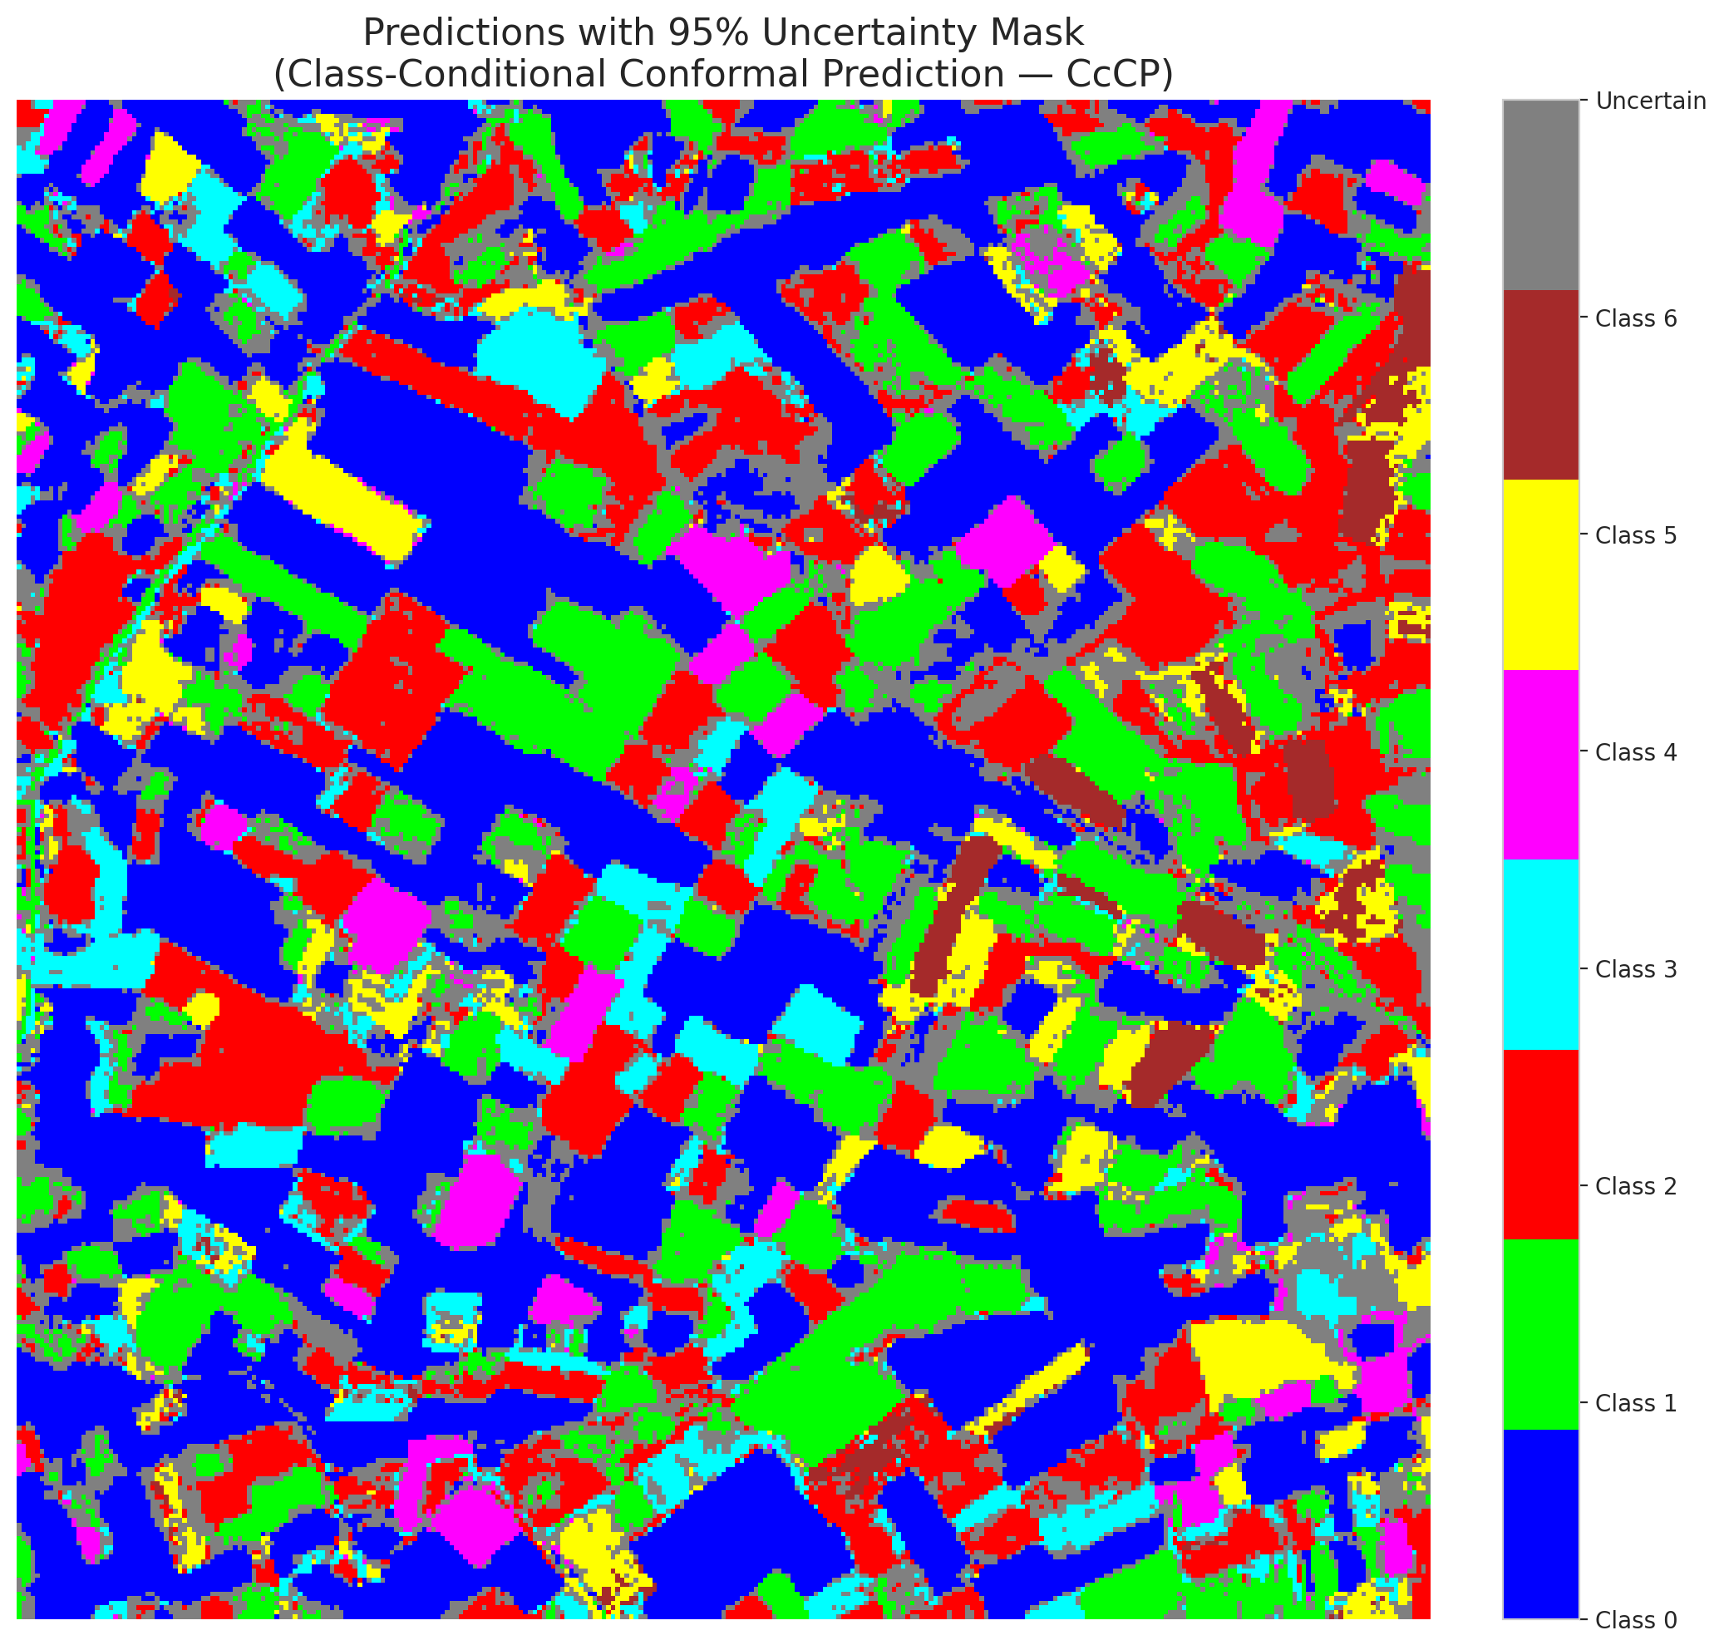

 |  |  |  |  |  |  |  |  | Pixel Counts

RC3P_ViT

RC3P - ViT |  |  |  |  |  |  |  |  | Per-Class Coverage
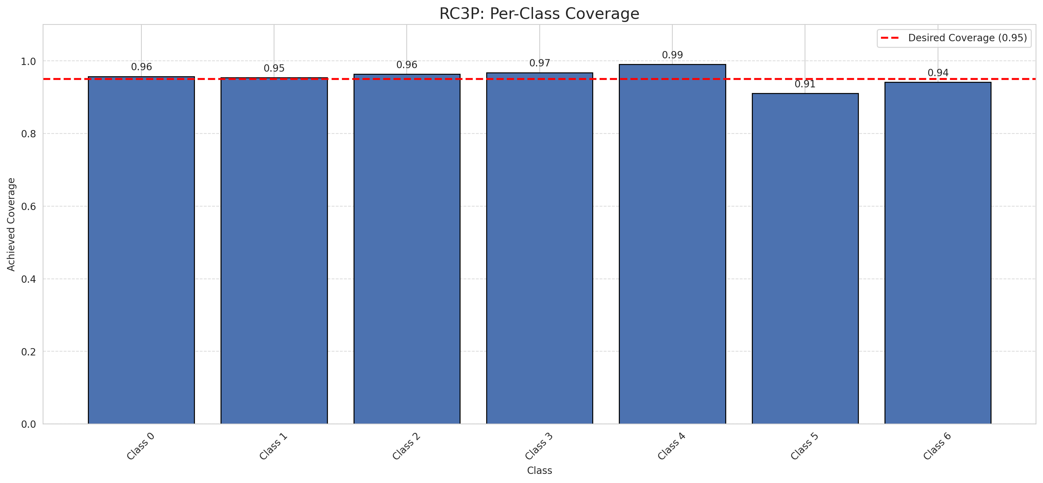
Summary
model_name | method | target_coverage | empirical_coverage | avg_set_size | median_set_size | singleton_rate | empty_set_rate | runtime_sec | alpha | lam | n_clusters | mean_per_class_coverage
ViT | RC3P | 0.95 | 0.95730858469 | 0.96009280742 | 1 | 0.96009280742 | 0.039907192575 | 2.881091859 | 0.05 |  |  | 0.955023279

Per-Class Coverage Values
class_id | class_coverage | support_count
0 | 0.95733041575 | 914
1 | 0.95374449339 | 454
2 | 0.96368715084 | 358
3 | 0.96794871795 | 156
4 | 0.99038461538 | 104
5 | 0.91089108911 | 101
6 | 0.94117647059 | 68

Pixel Counts
class_id | label | pixel_count
0 | Class 0 | 35580
1 | Class 1 | 15244
2 | Class 2 | 15877
3 | Class 3 | 6766
4 | Class 4 | 3801 |  |  |  |  |  |  | Certain vs Uncertain Map
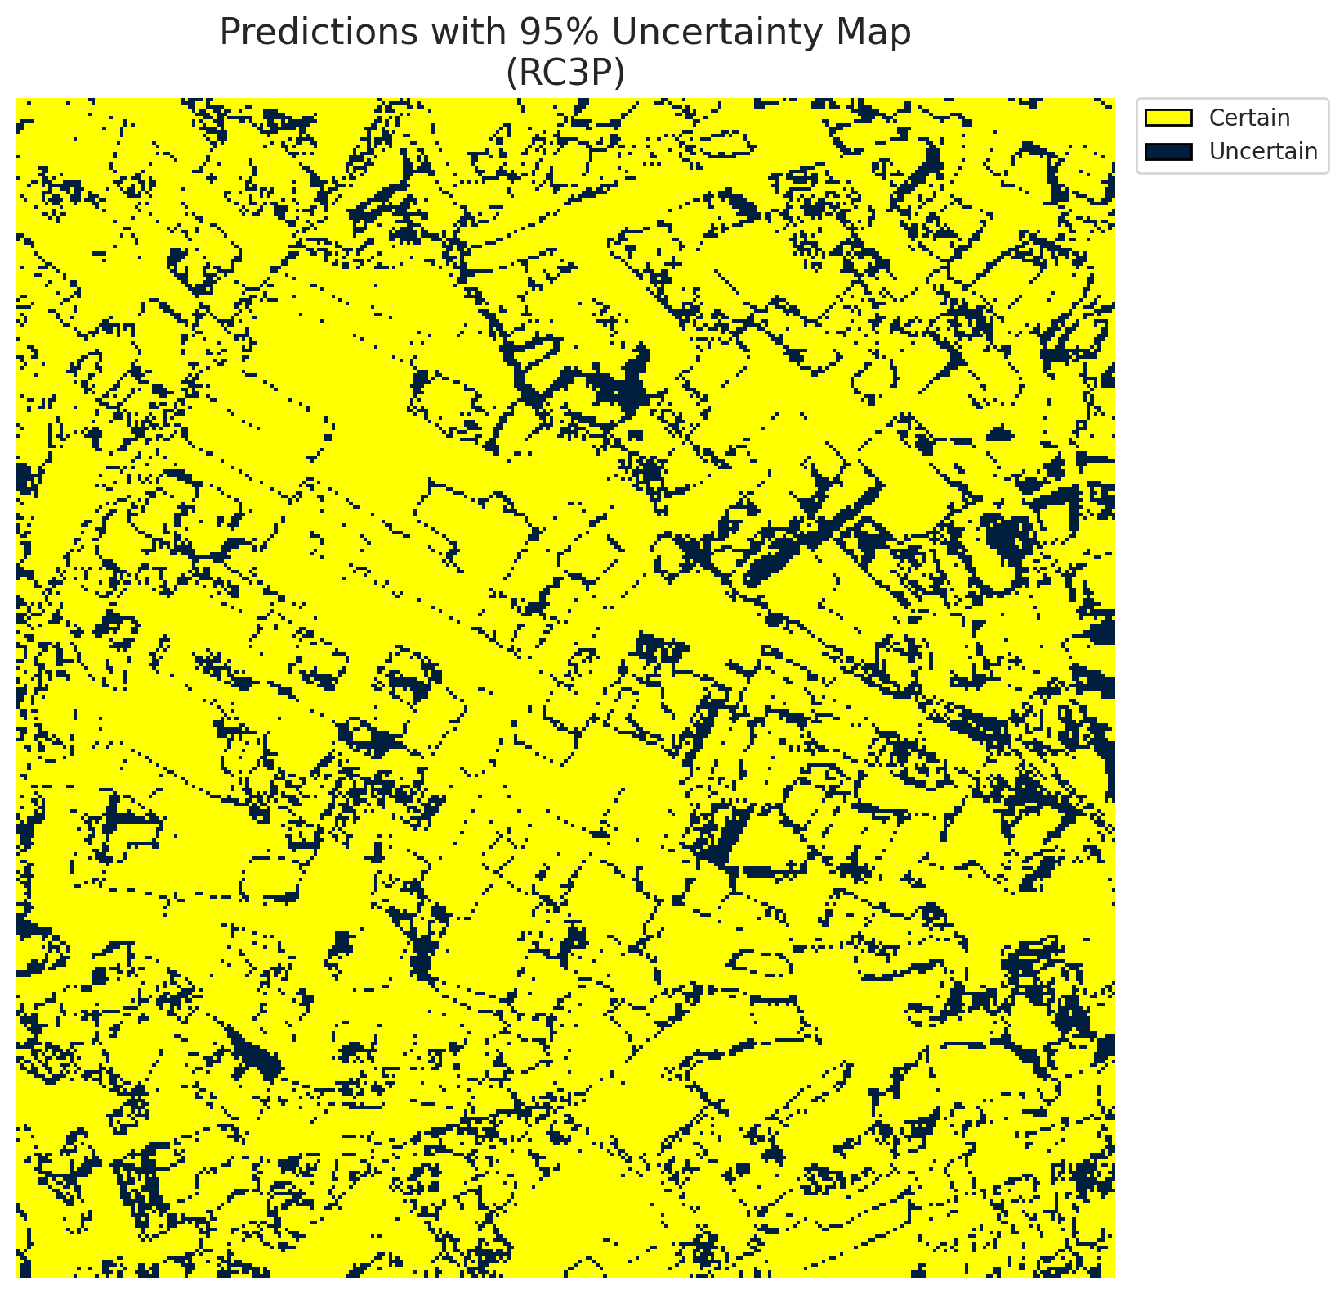
5 | Class 5 | 4489
6 | Class 6 | 1833
7 | Uncertain | 17720

RC3P Thresholds & Limits
class_id | q_hat_rc3p | suit_index_limit
0 | 0.0085655102756 | 1
1 | 0.087065169317 | 1
2 | 0.16996865123 | 1
3 | 0.44292027334 | 1
4 | 0.1811083565 | 1
5 | 0.0197139523 | 1
6 | 0.19241386748 | 1

 |  |  |  |  |  |  |  |  | Class Map with Uncertain Mask


 |  |  |  |  |  |  |  |  | Pixel Counts

Clustered_ViT
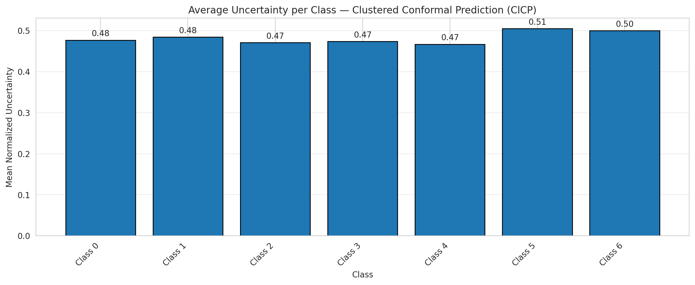
ClusteredConformal - ViT |  |  |  |  |  |  |  |  | Per-Class Coverage
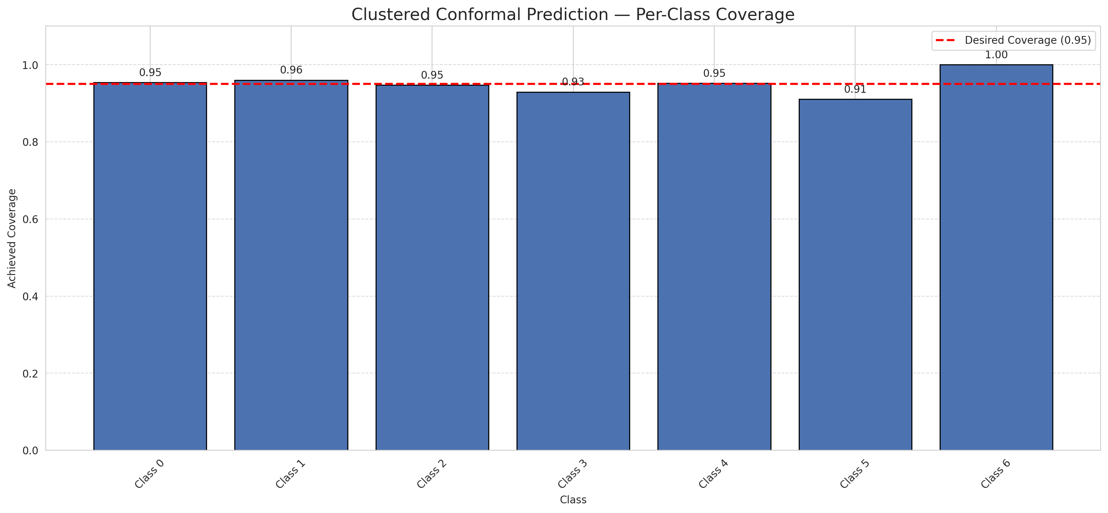
Summary
model_name | method | target_coverage | empirical_coverage | avg_set_size | median_set_size | singleton_rate | empty_set_rate | runtime_sec | alpha | lam | n_clusters | mean_per_class_coverage
ViT | ClusteredConformal | 0.95 | 0.95174013921 | 0.95777262181 | 1 | 0.95313225058 | 0.044547563805 | 10.269173505 | 0.05 |  | 4 | 0.95051846897

Per-Class Coverage Values
class_id | class_coverage | support_count
0 | 0.95404814004 | 914
1 | 0.96035242291 | 454
2 | 0.9469273743 | 358
3 | 0.92948717949 | 156
4 | 0.95192307692 | 104
5 | 0.91089108911 | 101
6 | 1 | 68

Class-to-Cluster Assignment
class_id | cluster_id
0 | 2
1 | 0
2 | 0
3 | 0
4 | 1 |  |  |  |  |  |  |  | Uncertainty Distribution
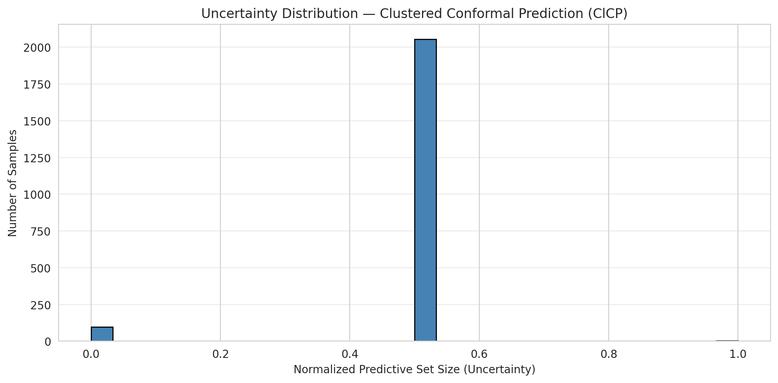
5 | 1
6 | 3

Cluster q_hat
cluster_id | q_hat_cluster
0 | 0.1221140108
1 | 0.023225873656
2 | 0.0058507315587
3 | 0.99266801639

Cluster Mean Uncertainty
cluster | uncertainty
0 | 0.4777892562
1 | 0.48529411765
2 | 0.47702407002
3 | 0.5

Class Mean Uncertainty
class_id | uncertainty
0 | 0.47702407002
1 | 0.4844789357 |  |  |  |  |  |  |  | Avg Uncertainty per Cluster
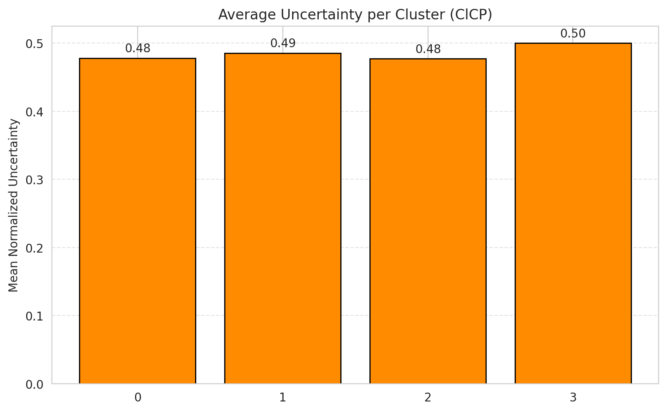
2 | 0.47115384615
3 | 0.47385620915
4 | 0.46698113208
5 | 0.50510204082
6 | 0.5

 |  |  |  |  |  |  |  |  | Avg Uncertainty per Class

RAPS_ViT
RAPS - ViT |  |  |  |  |  |  |  |  | Per-Class Coverage
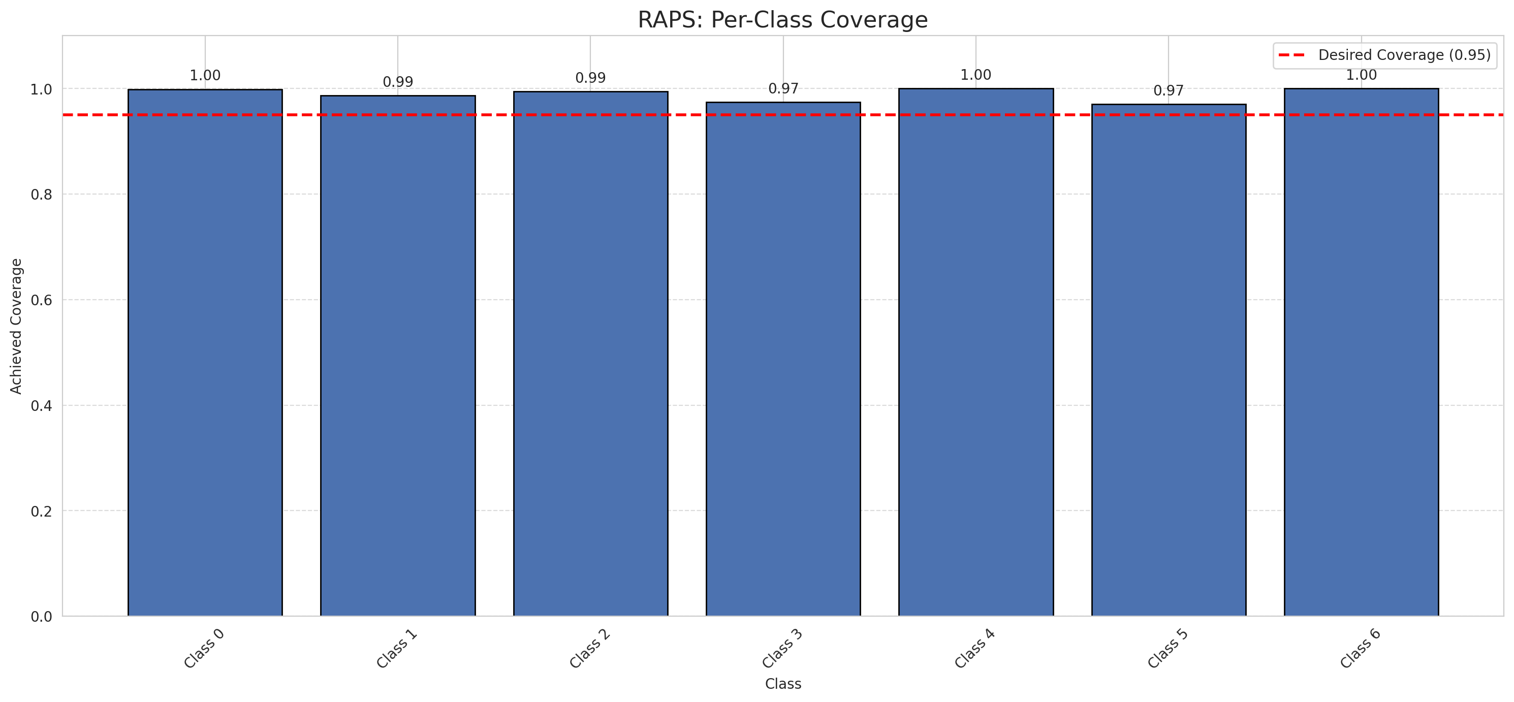
Summary
model_name | method | target_coverage | empirical_coverage | avg_set_size | median_set_size | singleton_rate | empty_set_rate | runtime_sec | alpha | lam | n_clusters | mean_per_class_coverage
ViT | RAPS | 0.95 | 0.99257540603 | 1 | 1 | 1 | 0 | 0.449661612 | 0.05 | 0.01 |  | 0.98925135156

Per-Class Coverage Values
class_id | class_coverage | support_count
0 | 0.9989059081 | 914
1 | 0.98678414097 | 454
2 | 0.99441340782 | 358
3 | 0.97435897436 | 156
4 | 1 | 104
5 | 0.9702970297 | 101
6 | 1 | 68

RAPS Parameters
q_hat_raps | lambda | k_reg
0 | 0.01 | 1

Compare_Clustered
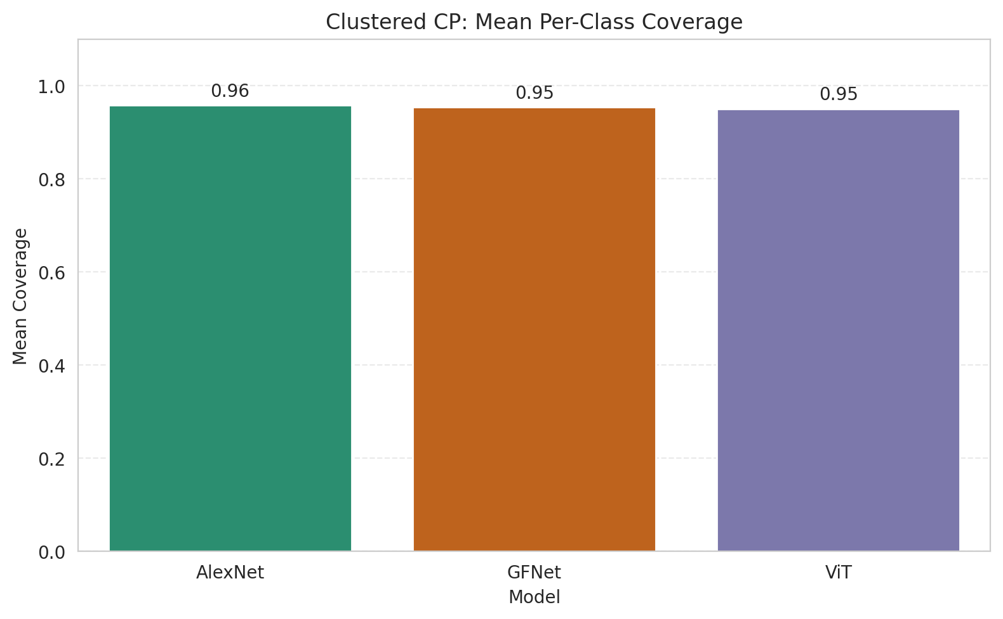
Clustered CP: 3-Model Comparison

model_name | method | target_coverage | empirical_coverage | avg_set_size | median_set_size | singleton_rate | empty_set_rate | model_name | mean_per_class_coverage | lam | n_clusters | mean_per_class_coverage
AlexNet | ClusteredConformal | 0.95 | 0.95777262181 | 0.95823665893 | 1 | 0.95823665893 | 0.041763341067 | AlexNet | 0.9576397532 |  | 4 | 0.9576397532
GFNet | ClusteredConformal | 0.95 | 0.96055684455 | 0.96055684455 | 1 | 0.96055684455 | 0.039443155452 | GFNet | 0.95358605692 |  | 4 | 0.95358605692
ViT | ClusteredConformal | 0.95 | 0.95174013921 | 0.95777262181 | 1 | 0.95313225058 | 0.044547563805 | ViT | 0.95051846897 |  | 4 | 0.95051846897

Grouped Metrics Comparison

Mean Per-Class Coverage Comparison

Compare_RAPS
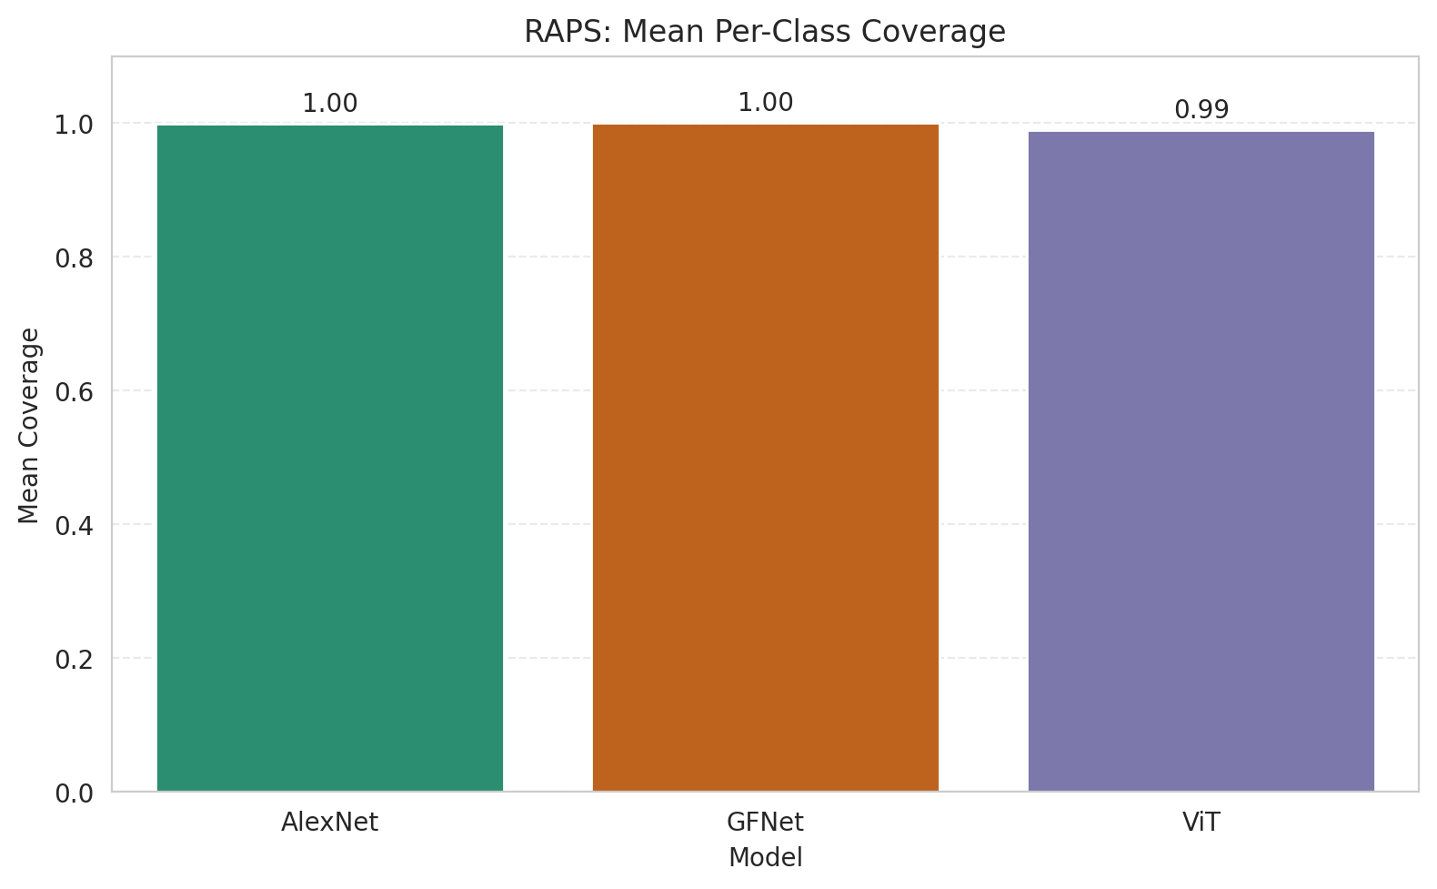
RAPS: 3-Model Comparison

model_name | method | target_coverage | empirical_coverage | avg_set_size | median_set_size | singleton_rate | empty_set_rate | model_name | mean_per_class_coverage | lam | n_clusters | mean_per_class_coverage
AlexNet | RAPS | 0.95 | 0.99907192575 | 1 | 1 | 1 | 0 | AlexNet | 0.99937067338 | 0.01 |  | 0.99937067338
GFNet | RAPS | 0.95 | 0.99953596288 | 1 | 1 | 1 | 0 | GFNet | 0.99968533669 | 0.01 |  | 0.99968533669
ViT | RAPS | 0.95 | 0.99257540603 | 1 | 1 | 1 | 0 | ViT | 0.98925135156 | 0.01 |  | 0.98925135156

Grouped Metrics Comparison

Mean Per-Class Coverage Comparison

