Split_AlexNet
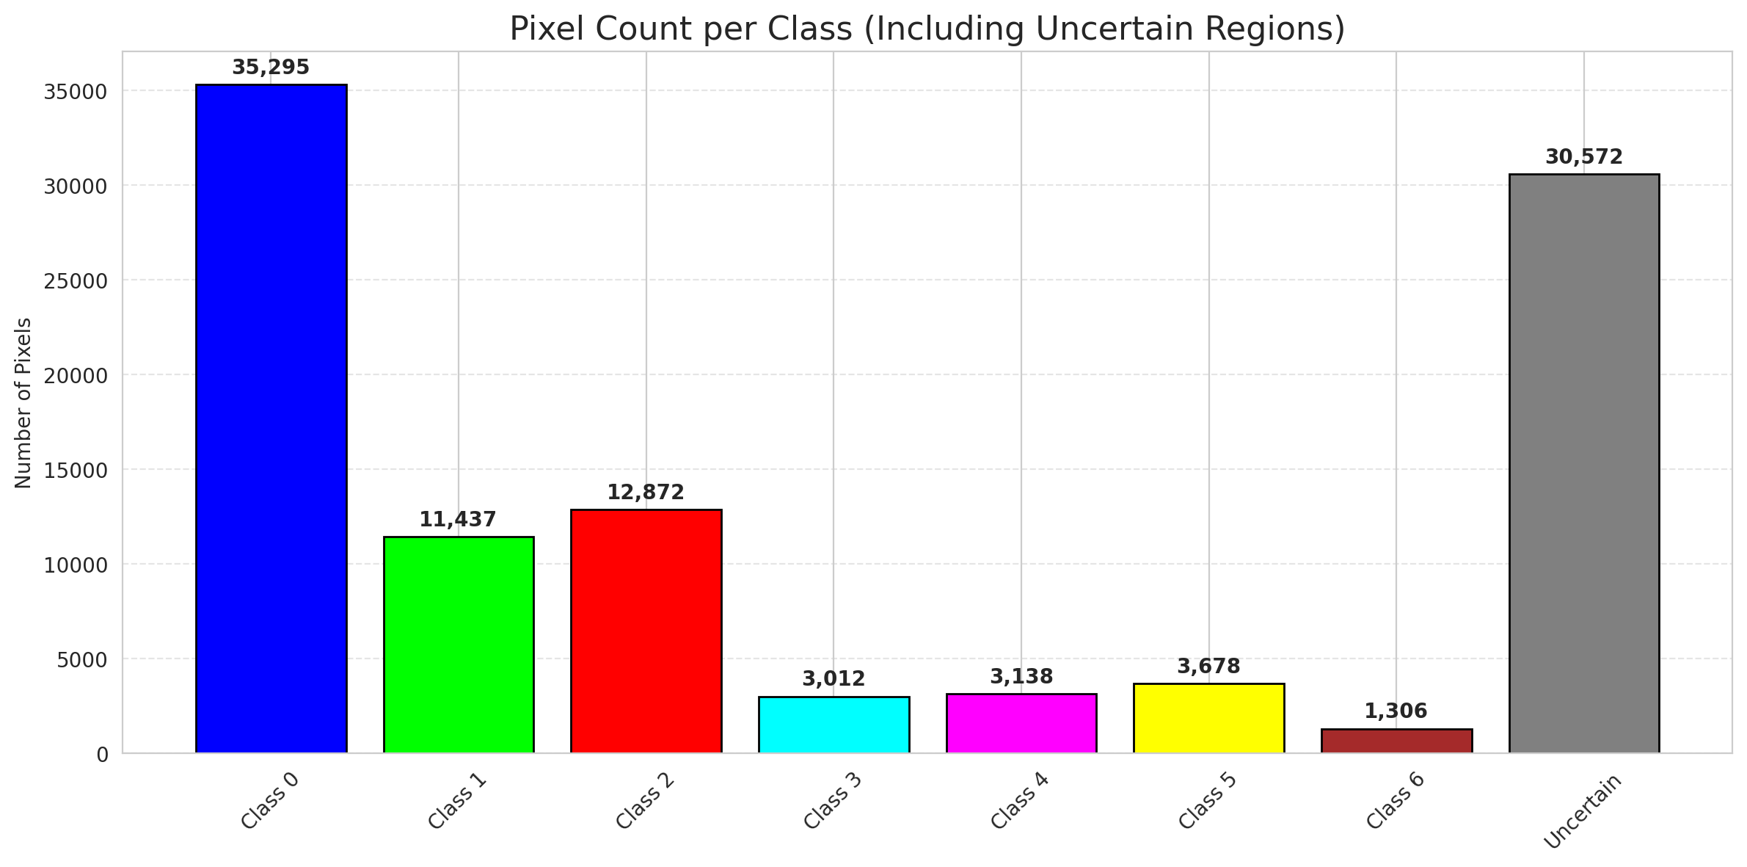
SplitConformal - AlexNet |  |  |  |  |  |  |  |  | Per-Class Coverage
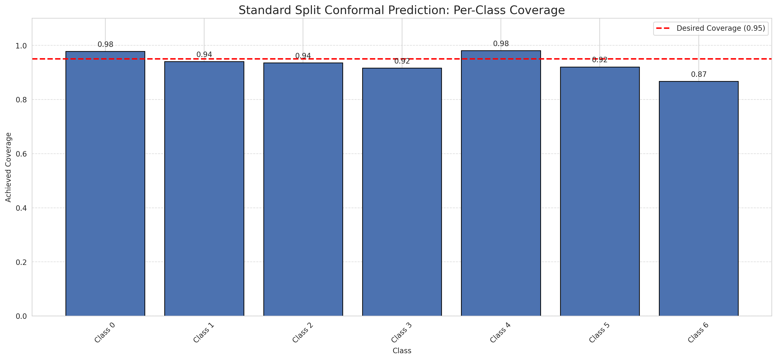
Summary
model_name | method | target_coverage | empirical_coverage | avg_set_size | median_set_size | singleton_rate | empty_set_rate | runtime_sec | alpha | lam | n_clusters | mean_per_class_coverage
AlexNet | SplitConformal | 0.95 | 0.95266821346 | 0.95266821346 | 1 | 0.95266821346 | 0.047331786543 | 2.681072929 | 0.05 |  |  | 0.93432514596

Per-Class Coverage Values
class_id | class_coverage | support_count
0 | 0.97811816193 | 914
1 | 0.94052863436 | 454
2 | 0.93575418994 | 358
3 | 0.91666666667 | 156
4 | 0.98076923077 | 104
5 | 0.92079207921 | 101
6 | 0.86764705882 | 68

Pixel Counts
class_id | label | pixel_count
0 | Class 0 | 35295
1 | Class 1 | 11437
2 | Class 2 | 12872
3 | Class 3 | 3012
4 | Class 4 | 3138 |  |  |  |  |  |  | Certain vs Uncertain Map
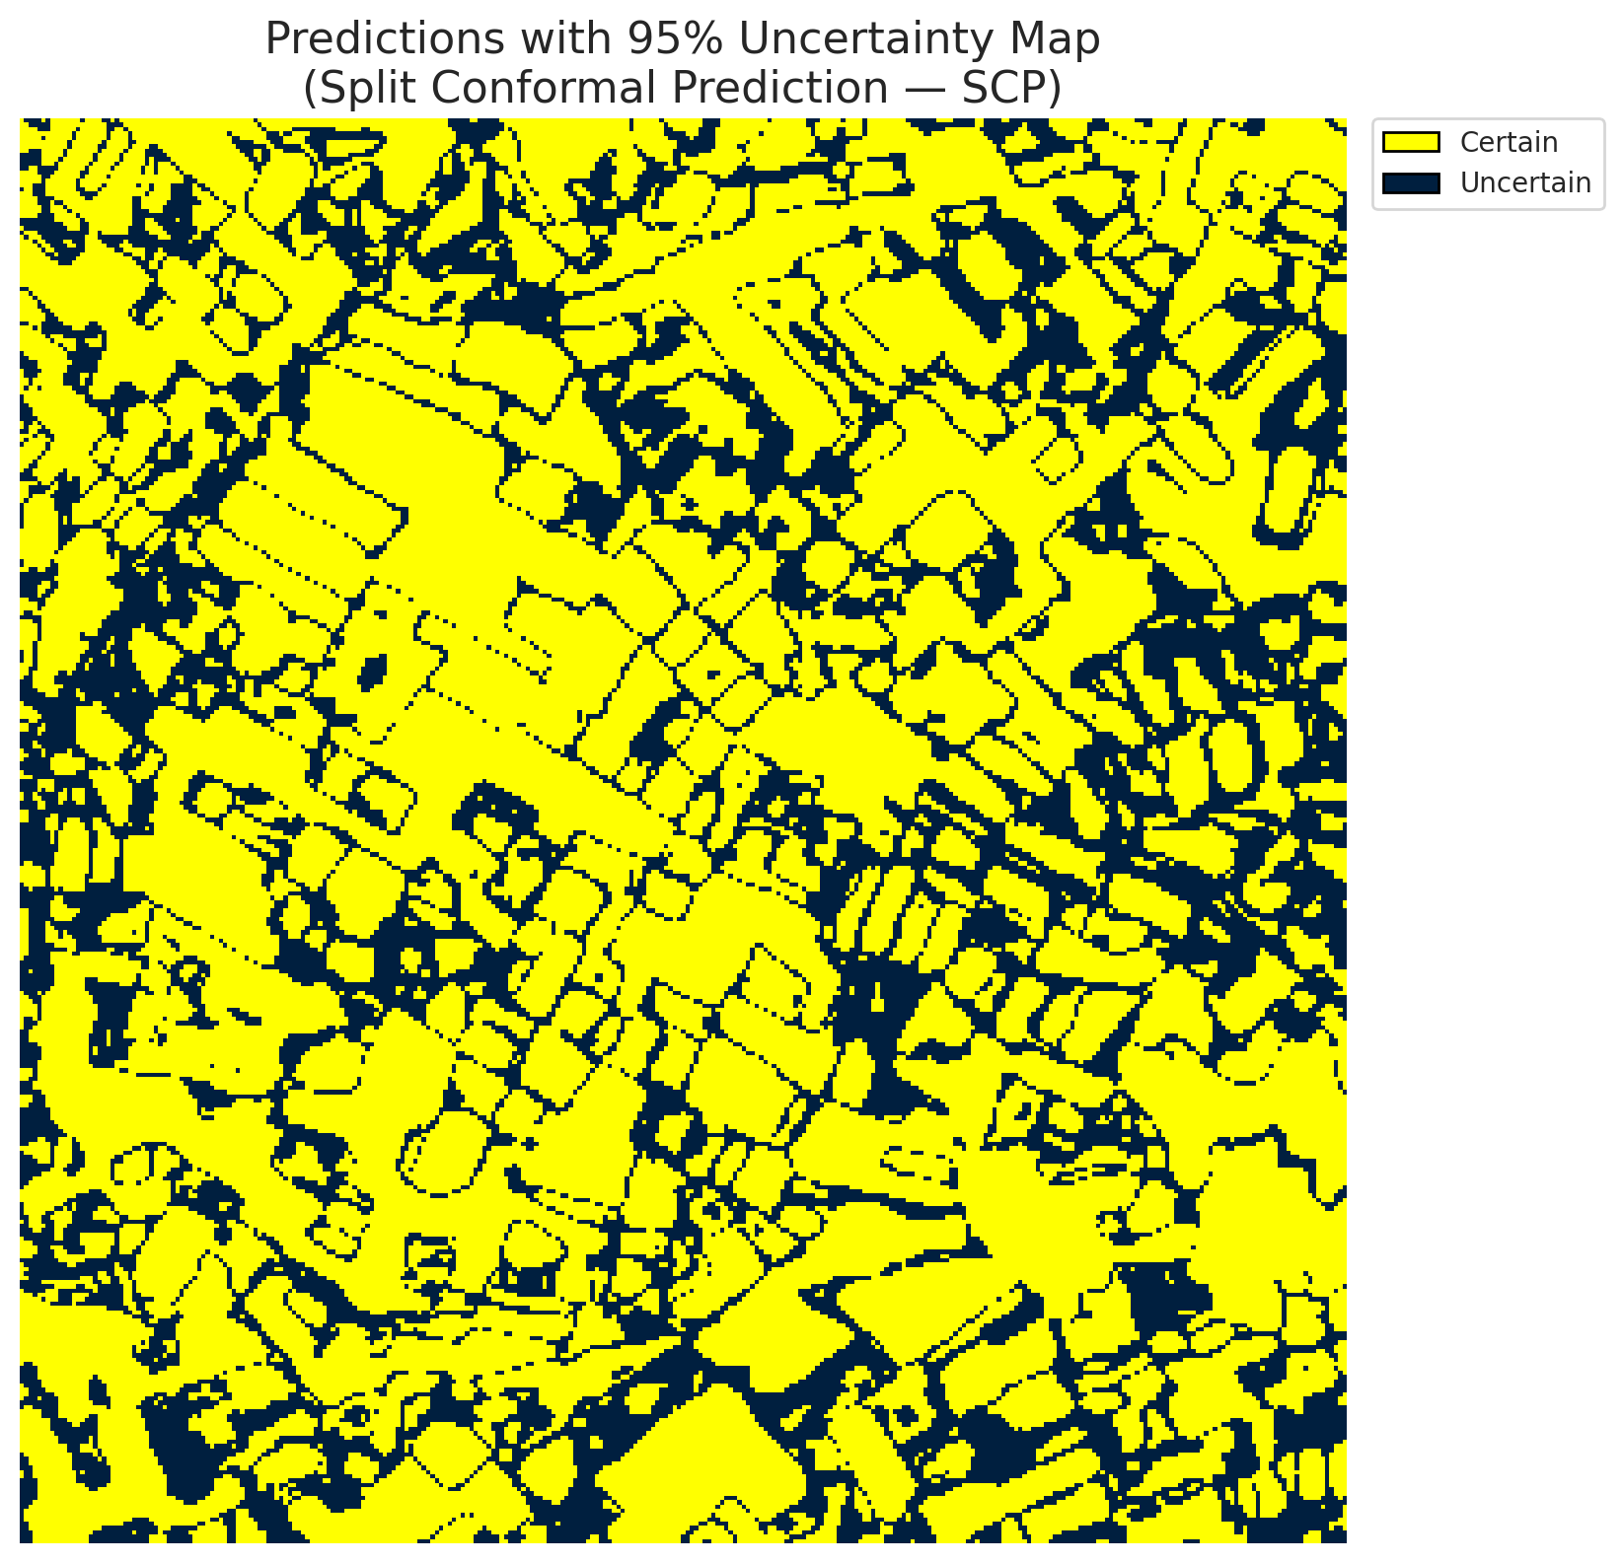
5 | Class 5 | 3678
6 | Class 6 | 1306
7 | Uncertain | 30572

Threshold
q_hat_split
0.00036907517938

 |  |  |  |  |  |  |  |  | Class Map with Uncertain Mask
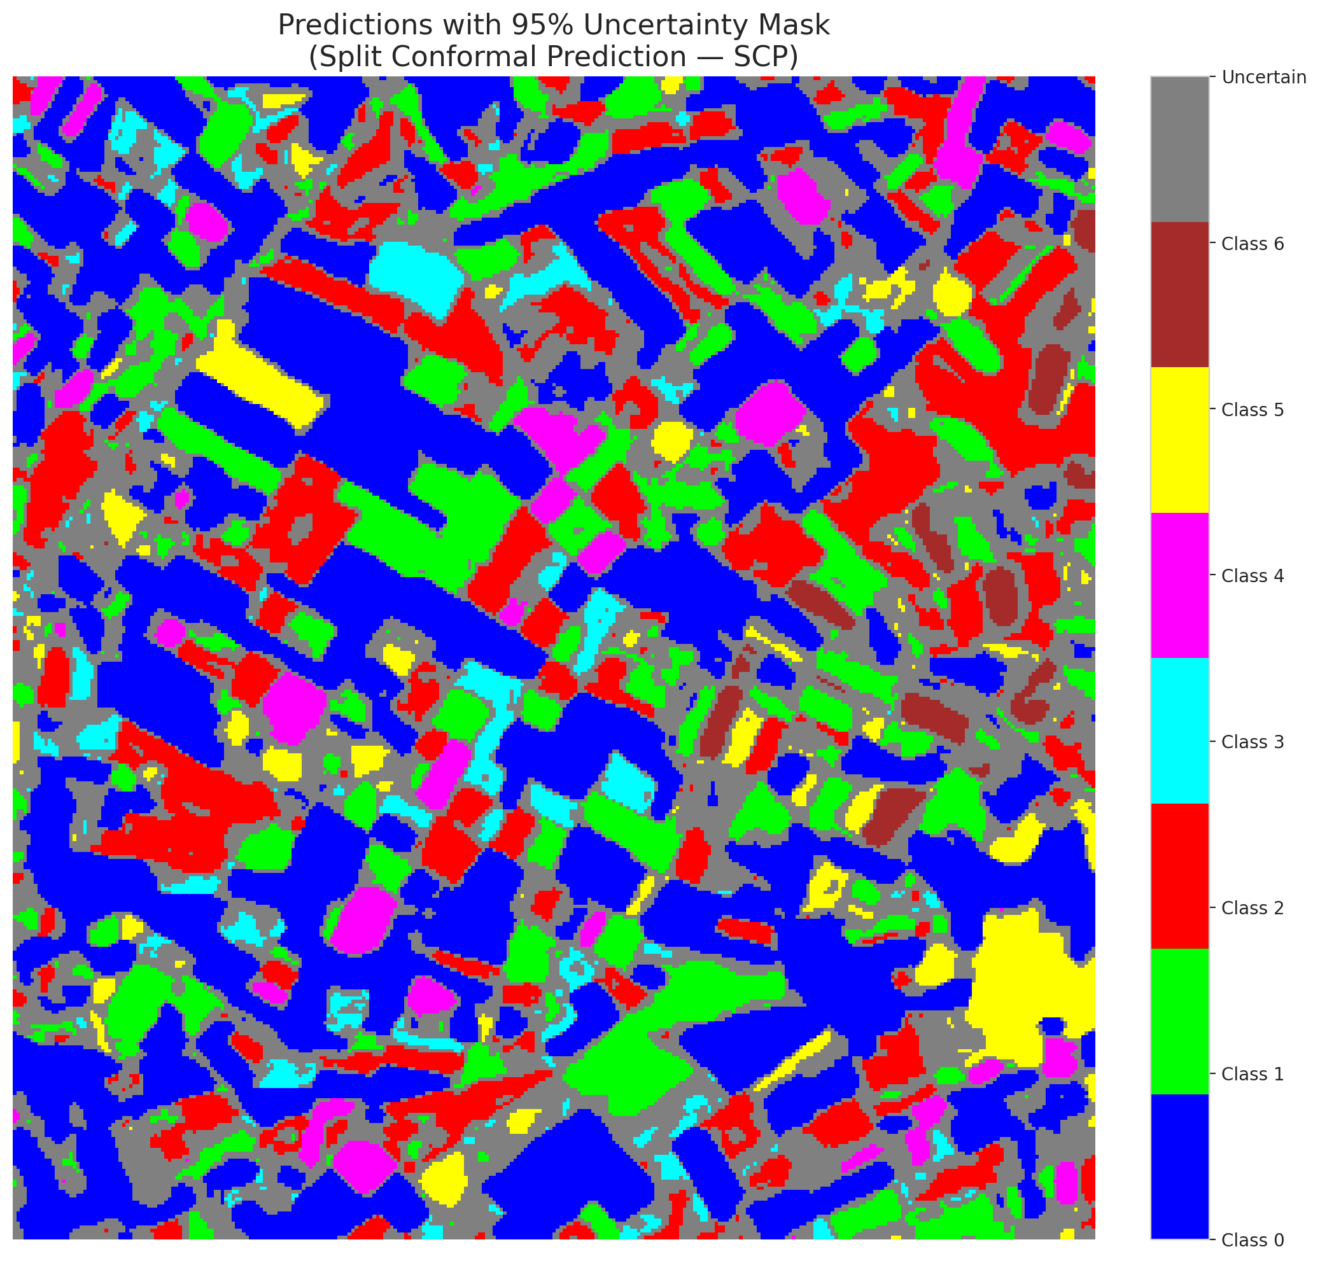

 |  |  |  |  |  |  |  |  | Pixel Counts

ClassCond_AlexNet
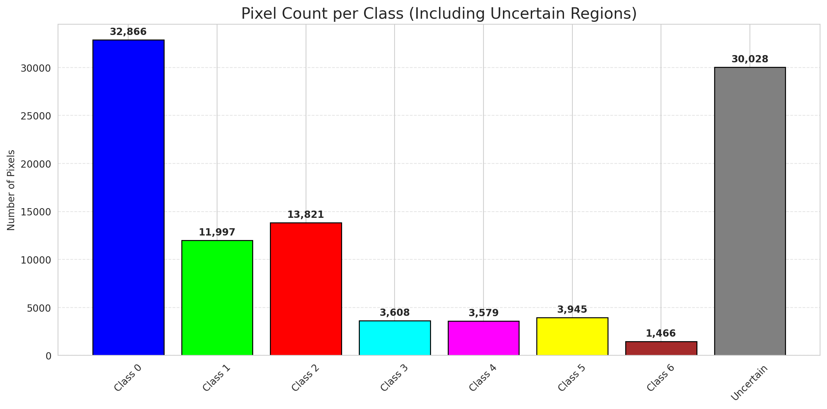
ClassConditionalConformal - AlexNet |  |  |  |  |  |  |  |  | Per-Class Coverage
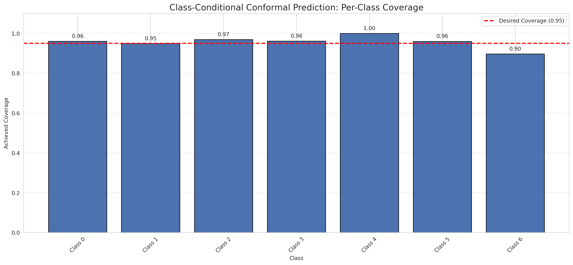
Summary
model_name | method | target_coverage | empirical_coverage | avg_set_size | median_set_size | singleton_rate | empty_set_rate | runtime_sec | alpha | lam | n_clusters | mean_per_class_coverage
AlexNet | ClassConditionalConformal | 0.95 | 0.9596287703 | 0.9596287703 | 1 | 0.9596287703 | 0.040371229698 | 2.210756316 | 0.05 |  |  | 0.95688842374

Per-Class Coverage Values
class_id | class_coverage | support_count
0 | 0.96061269147 | 914
1 | 0.94933920705 | 454
2 | 0.96927374302 | 358
3 | 0.96153846154 | 156
4 | 1 | 104
5 | 0.9603960396 | 101
6 | 0.89705882353 | 68

Pixel Counts
class_id | label | pixel_count
0 | Class 0 | 32866
1 | Class 1 | 11997
2 | Class 2 | 13821
3 | Class 3 | 3608
4 | Class 4 | 3579 |  |  |  |  |  |  | Certain vs Uncertain Map
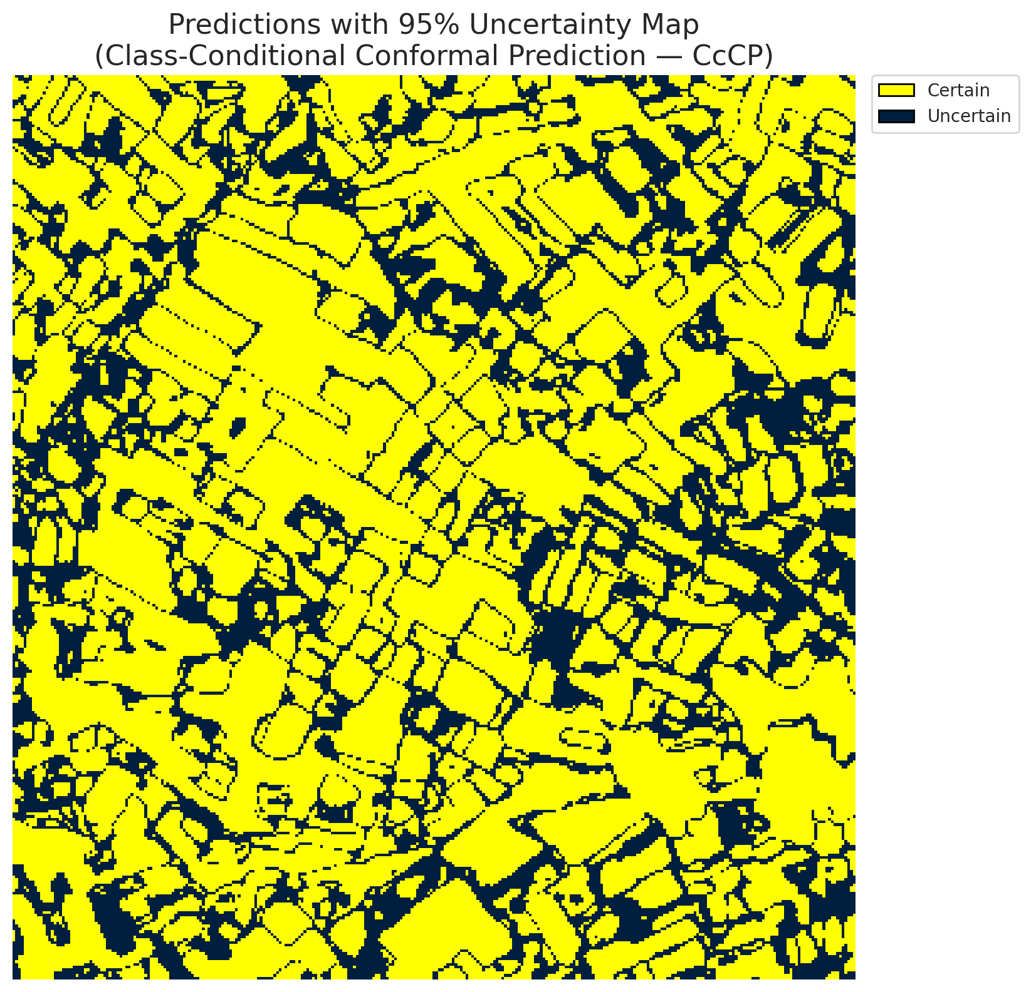
5 | Class 5 | 3945
6 | Class 6 | 1466
7 | Uncertain | 30028

Classwise q_hat
class_id | q_hat_classconditional
0 | 2.7364852744E-05
1 | 0.00075806998758
2 | 0.0012618464346
3 | 0.0013510169736
4 | 0.0061832908859
5 | 0.00078622521673
6 | 0.0010113598305

 |  |  |  |  |  |  |  |  | Class Map with Uncertain Mask
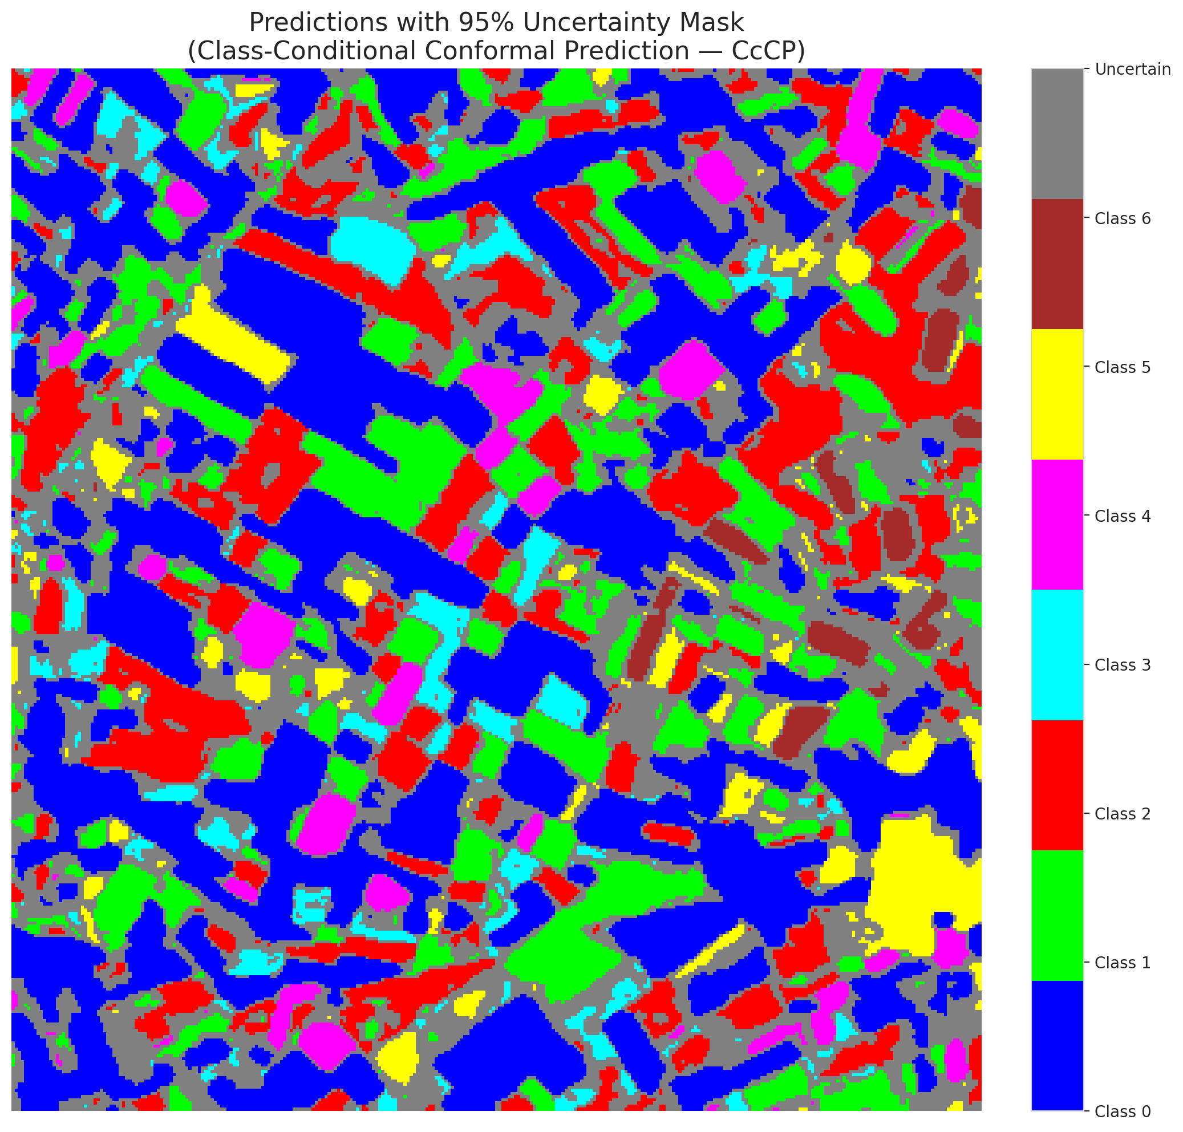

 |  |  |  |  |  |  |  |  | Pixel Counts

RC3P_AlexNet
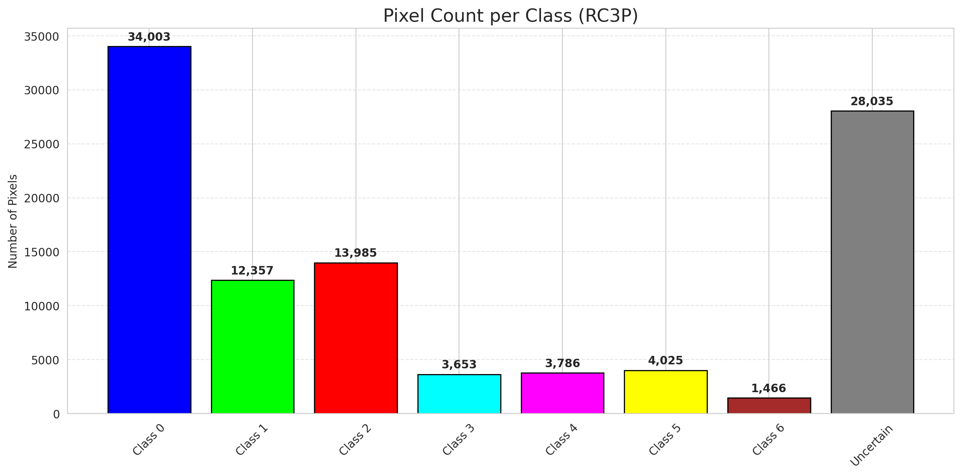
RC3P - AlexNet |  |  |  |  |  |  |  |  | Per-Class Coverage
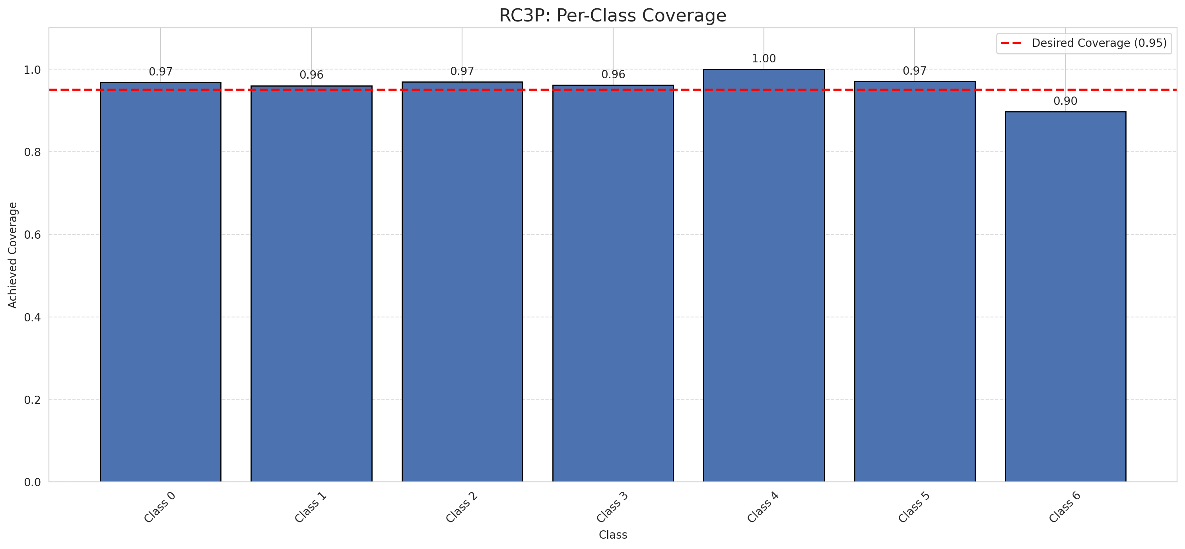
Summary
model_name | method | target_coverage | empirical_coverage | avg_set_size | median_set_size | singleton_rate | empty_set_rate | runtime_sec | alpha | lam | n_clusters | mean_per_class_coverage
AlexNet | RC3P | 0.95 | 0.9656612529 | 0.9656612529 | 1 | 0.9656612529 | 0.0343387471 | 1.6213073 | 0.05 |  |  | 0.96097025936

Per-Class Coverage Values
class_id | class_coverage | support_count
0 | 0.96827133479 | 914
1 | 0.96035242291 | 454
2 | 0.96927374302 | 358
3 | 0.96153846154 | 156
4 | 1 | 104
5 | 0.9702970297 | 101
6 | 0.89705882353 | 68

Pixel Counts
class_id | label | pixel_count
0 | Class 0 | 34003
1 | Class 1 | 12357
2 | Class 2 | 13985
3 | Class 3 | 3653
4 | Class 4 | 3786 |  |  |  |  |  |  | Certain vs Uncertain Map
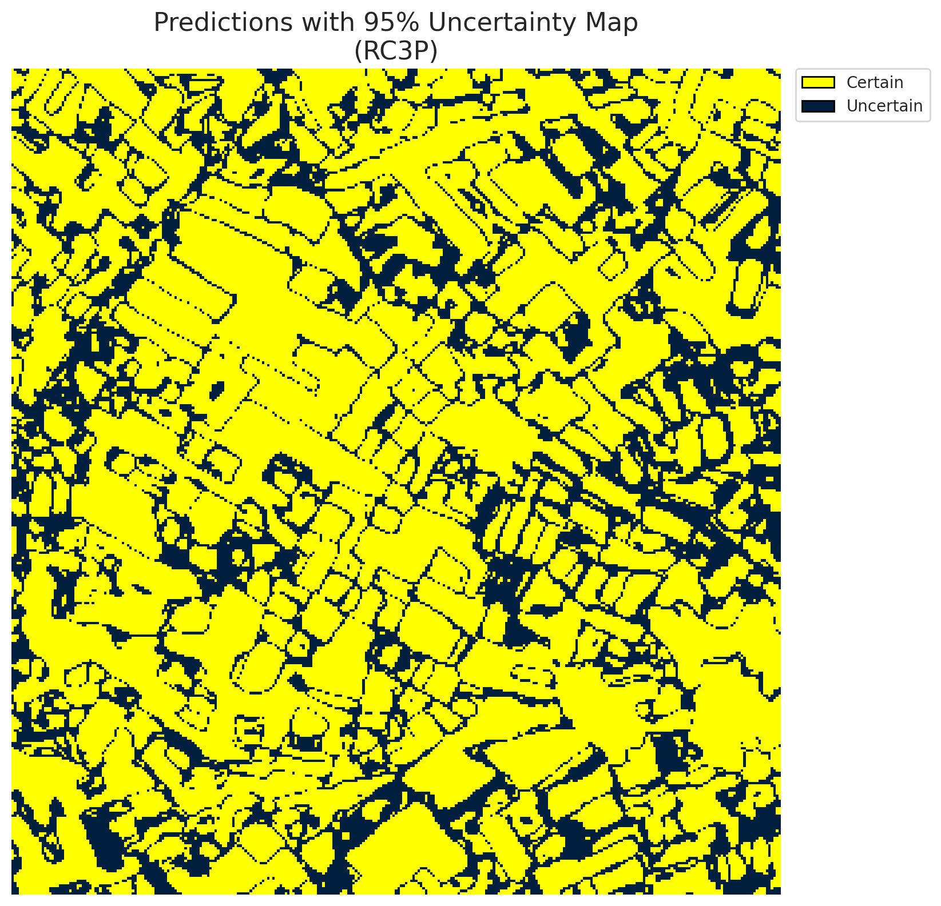
5 | Class 5 | 4025
6 | Class 6 | 1466
7 | Uncertain | 28035

RC3P Thresholds & Limits
class_id | q_hat_rc3p | suit_index_limit
0 | 8.7295391217E-05 | 1
1 | 0.0012246284076 | 1
2 | 0.0016135947466 | 1
3 | 0.0014932923175 | 1
4 | 0.025252820343 | 1
5 | 0.00097034694299 | 1
6 | 0.0010113598305 | 1

 |  |  |  |  |  |  |  |  | Class Map with Uncertain Mask


 |  |  |  |  |  |  |  |  | Pixel Counts

Clustered_AlexNet
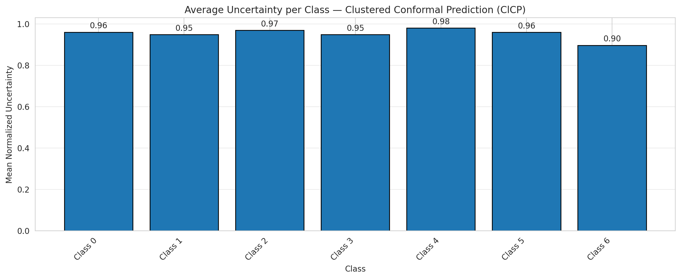
ClusteredConformal - AlexNet |  |  |  |  |  |  |  |  | Per-Class Coverage
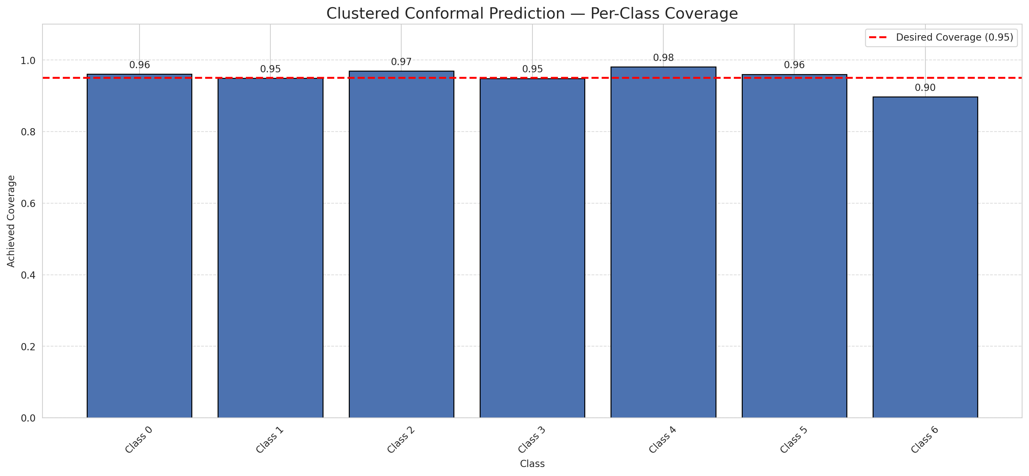
Summary
model_name | method | target_coverage | empirical_coverage | avg_set_size | median_set_size | singleton_rate | empty_set_rate | runtime_sec | alpha | lam | n_clusters | mean_per_class_coverage
AlexNet | ClusteredConformal | 0.95 | 0.95777262181 | 0.95777262181 | 1 | 0.95777262181 | 0.04222737819 | 2.468290447 | 0.05 |  | 4 | 0.95230966916

Per-Class Coverage Values
class_id | class_coverage | support_count
0 | 0.96061269147 | 914
1 | 0.94933920705 | 454
2 | 0.96927374302 | 358
3 | 0.94871794872 | 156
4 | 0.98076923077 | 104
5 | 0.9603960396 | 101
6 | 0.89705882353 | 68

Class-to-Cluster Assignment
class_id | cluster_id
0 | 2
1 | 1
2 | 0
3 | 0
4 | 1 |  |  |  |  |  |  |  | Uncertainty Distribution
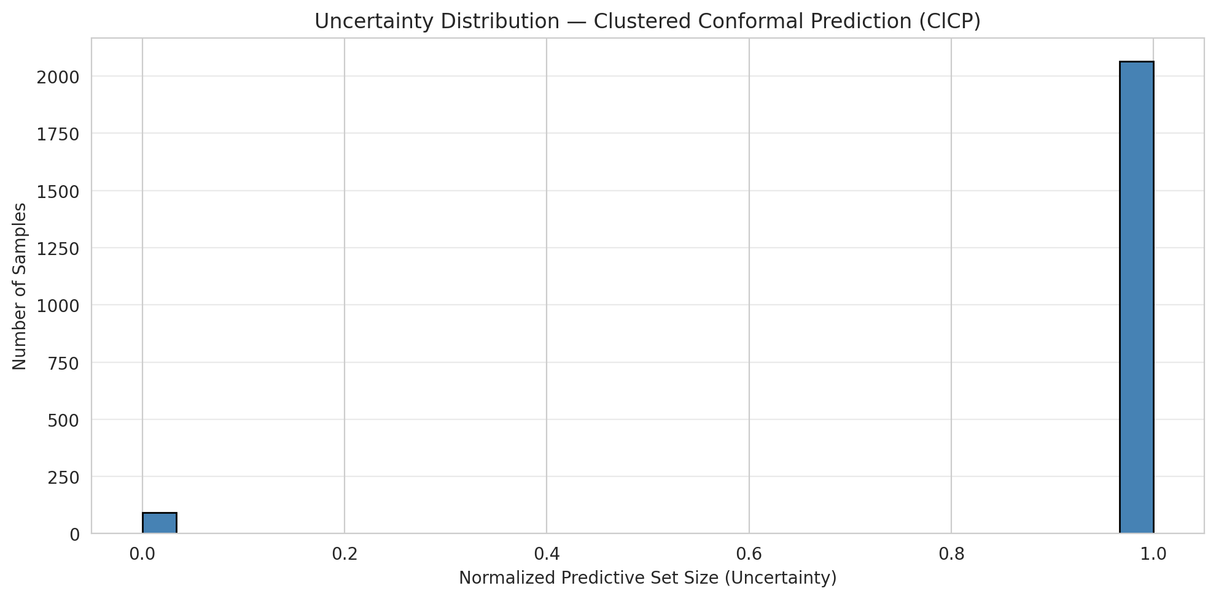
5 | 3
6 | 3

Cluster q_hat
cluster_id | q_hat_cluster
0 | 0.0012165959673
1 | 0.00075806998758
2 | 2.7364852744E-05
3 | 0.00078622521673

Cluster Mean Uncertainty
cluster | uncertainty
0 | 0.96303501946
1 | 0.95519713262
2 | 0.96061269147
3 | 0.9349112426

Class Mean Uncertainty
class_id | uncertainty
0 | 0.96061269147
1 | 0.94933920705 |  |  |  |  |  |  |  | Avg Uncertainty per Cluster
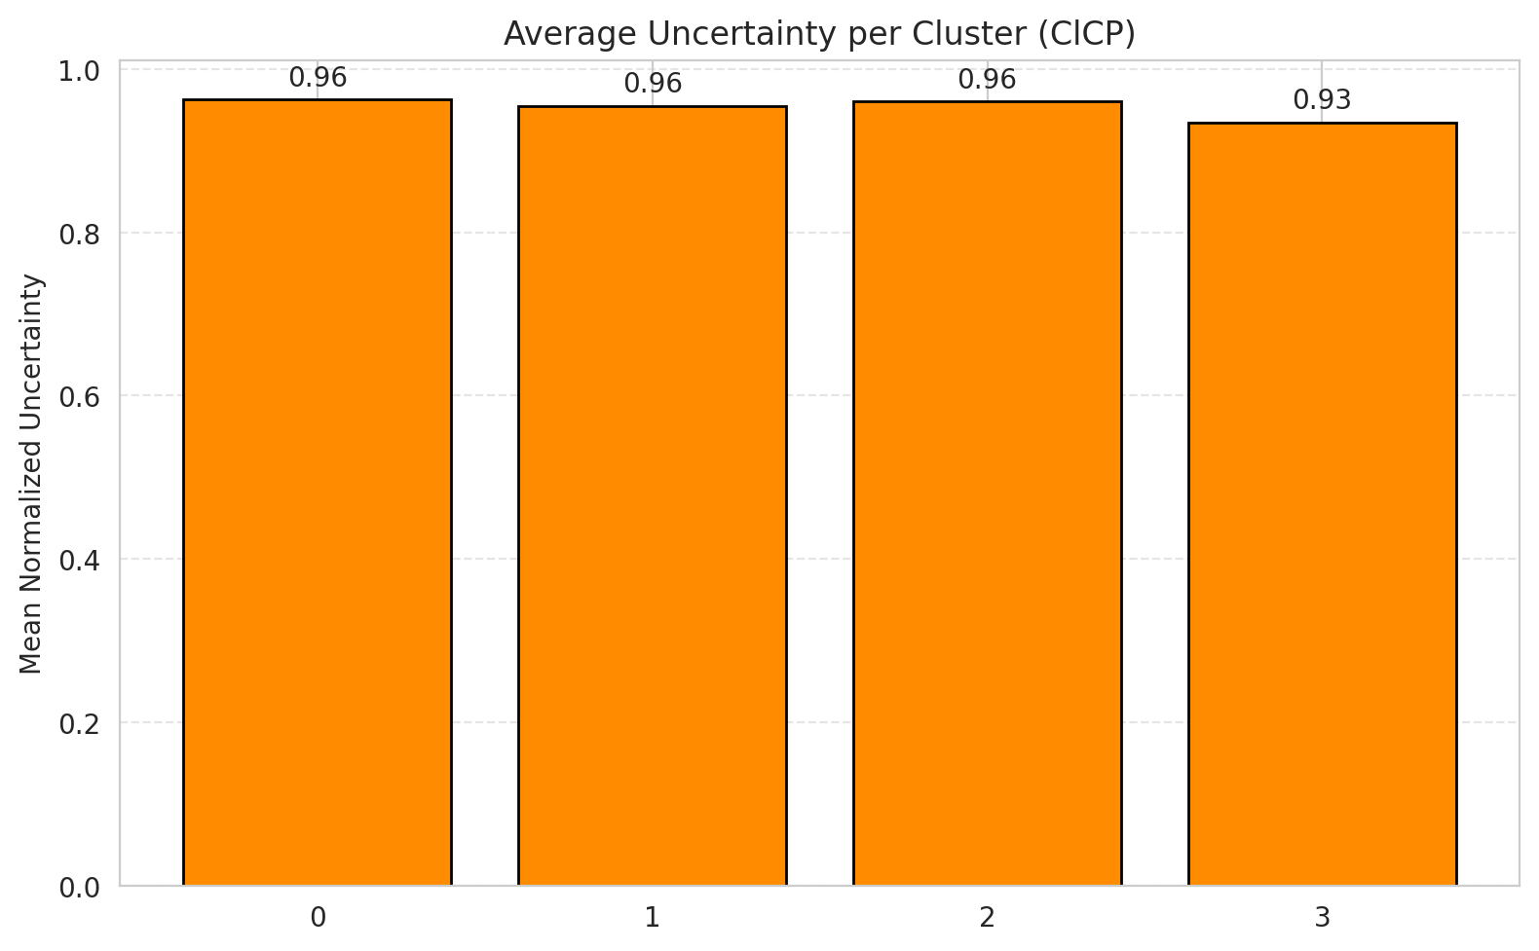
2 | 0.96927374302
3 | 0.94871794872
4 | 0.98076923077
5 | 0.9603960396
6 | 0.89705882353

 |  |  |  |  |  |  |  |  | Avg Uncertainty per Class

RAPS_AlexNet
RAPS - AlexNet |  |  |  |  |  |  |  |  | Per-Class Coverage
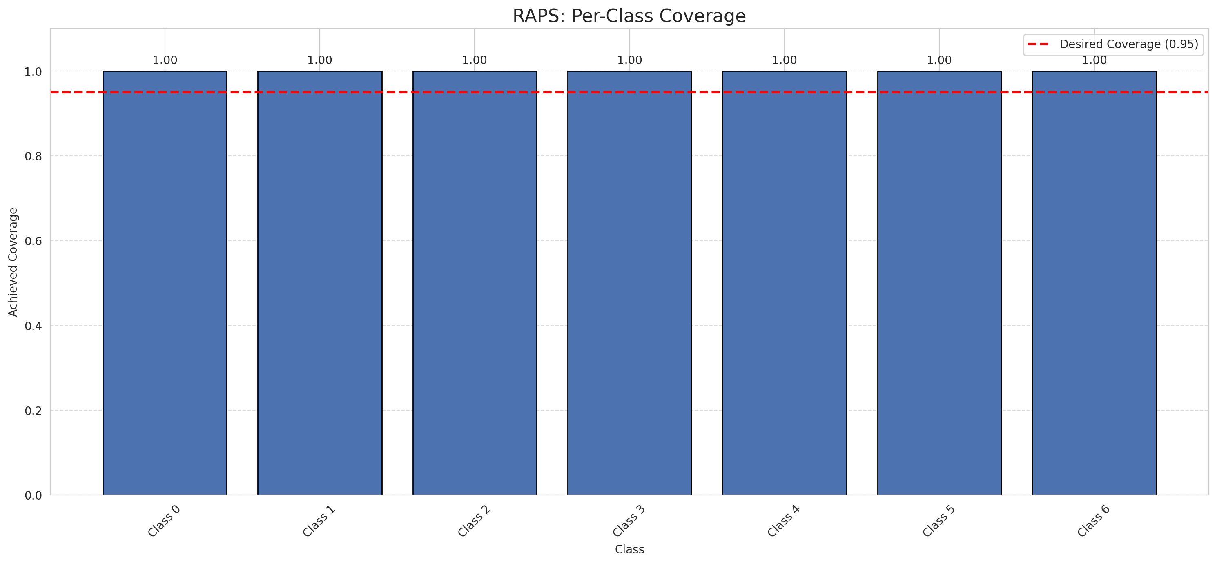
Summary
model_name | method | target_coverage | empirical_coverage | avg_set_size | median_set_size | singleton_rate | empty_set_rate | runtime_sec | alpha | lam | n_clusters | mean_per_class_coverage
AlexNet | RAPS | 0.95 | 1 | 1 | 1 | 1 | 0 | 0.385458268 | 0.05 | 0.01 |  | 1

Per-Class Coverage Values
class_id | class_coverage | support_count
0 | 1 | 914
1 | 1 | 454
2 | 1 | 358
3 | 1 | 156
4 | 1 | 104
5 | 1 | 101
6 | 1 | 68

RAPS Parameters
q_hat_raps | lambda | k_reg
0 | 0.01 | 1

Split_GFNet
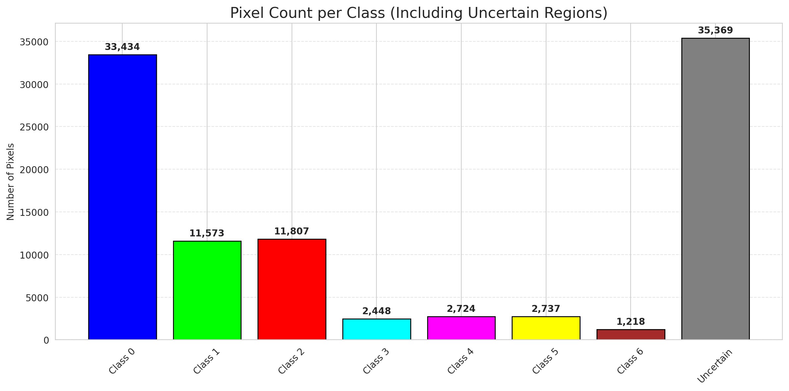
SplitConformal - GFNet |  |  |  |  |  |  |  |  | Per-Class Coverage
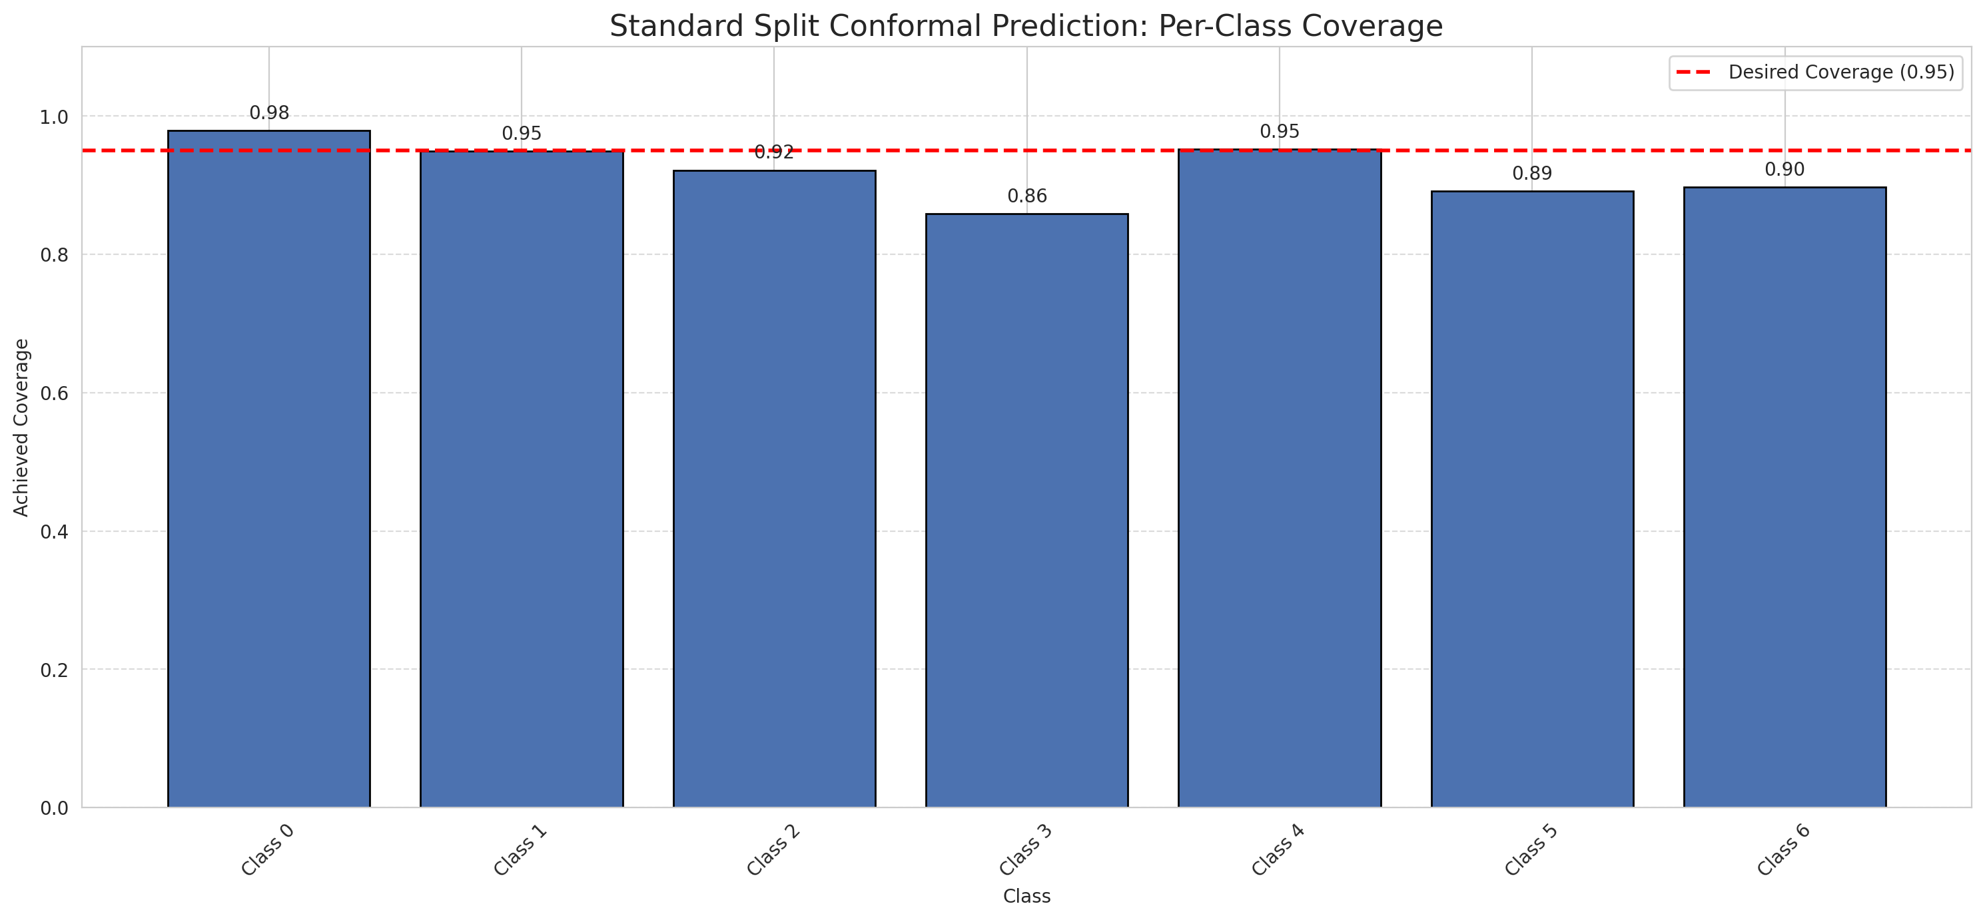
Summary
model_name | method | target_coverage | empirical_coverage | avg_set_size | median_set_size | singleton_rate | empty_set_rate | runtime_sec | alpha | lam | n_clusters | mean_per_class_coverage
GFNet | SplitConformal | 0.95 | 0.94663573086 | 0.94663573086 | 1 | 0.94663573086 | 0.053364269142 | 2.531780455 | 0.05 |  |  | 0.92134064839

Per-Class Coverage Values
class_id | class_coverage | support_count
0 | 0.97921225383 | 914
1 | 0.94933920705 | 454
2 | 0.9217877095 | 358
3 | 0.85897435897 | 156
4 | 0.95192307692 | 104
5 | 0.89108910891 | 101
6 | 0.89705882353 | 68

Pixel Counts
class_id | label | pixel_count
0 | Class 0 | 33434
1 | Class 1 | 11573
2 | Class 2 | 11807
3 | Class 3 | 2448
4 | Class 4 | 2724 |  |  |  |  |  |  | Certain vs Uncertain Map
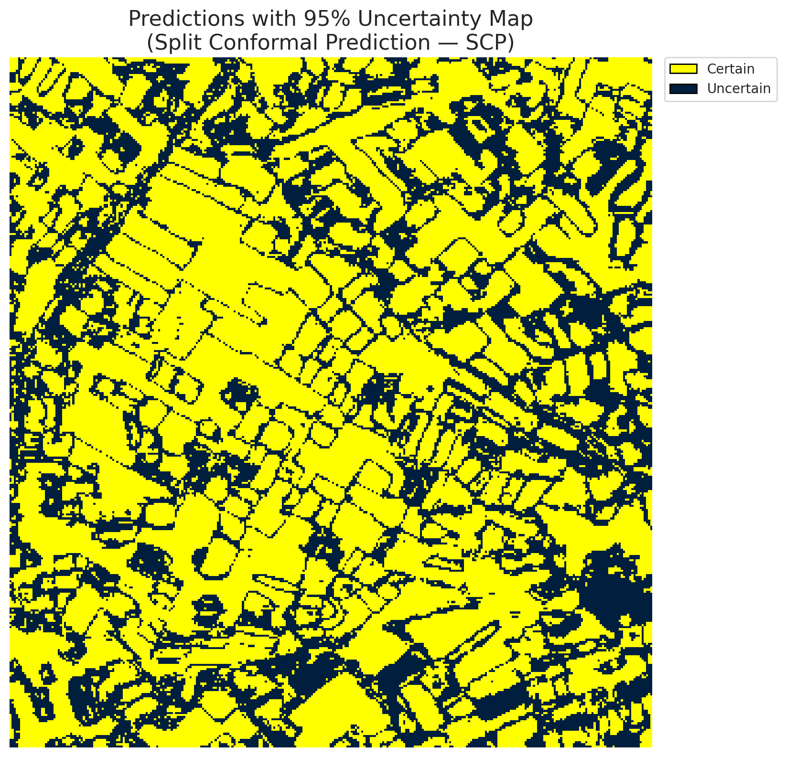
5 | Class 5 | 2737
6 | Class 6 | 1218
7 | Uncertain | 35369

Threshold
q_hat_split
2.5782003332E-05

 |  |  |  |  |  |  |  |  | Class Map with Uncertain Mask
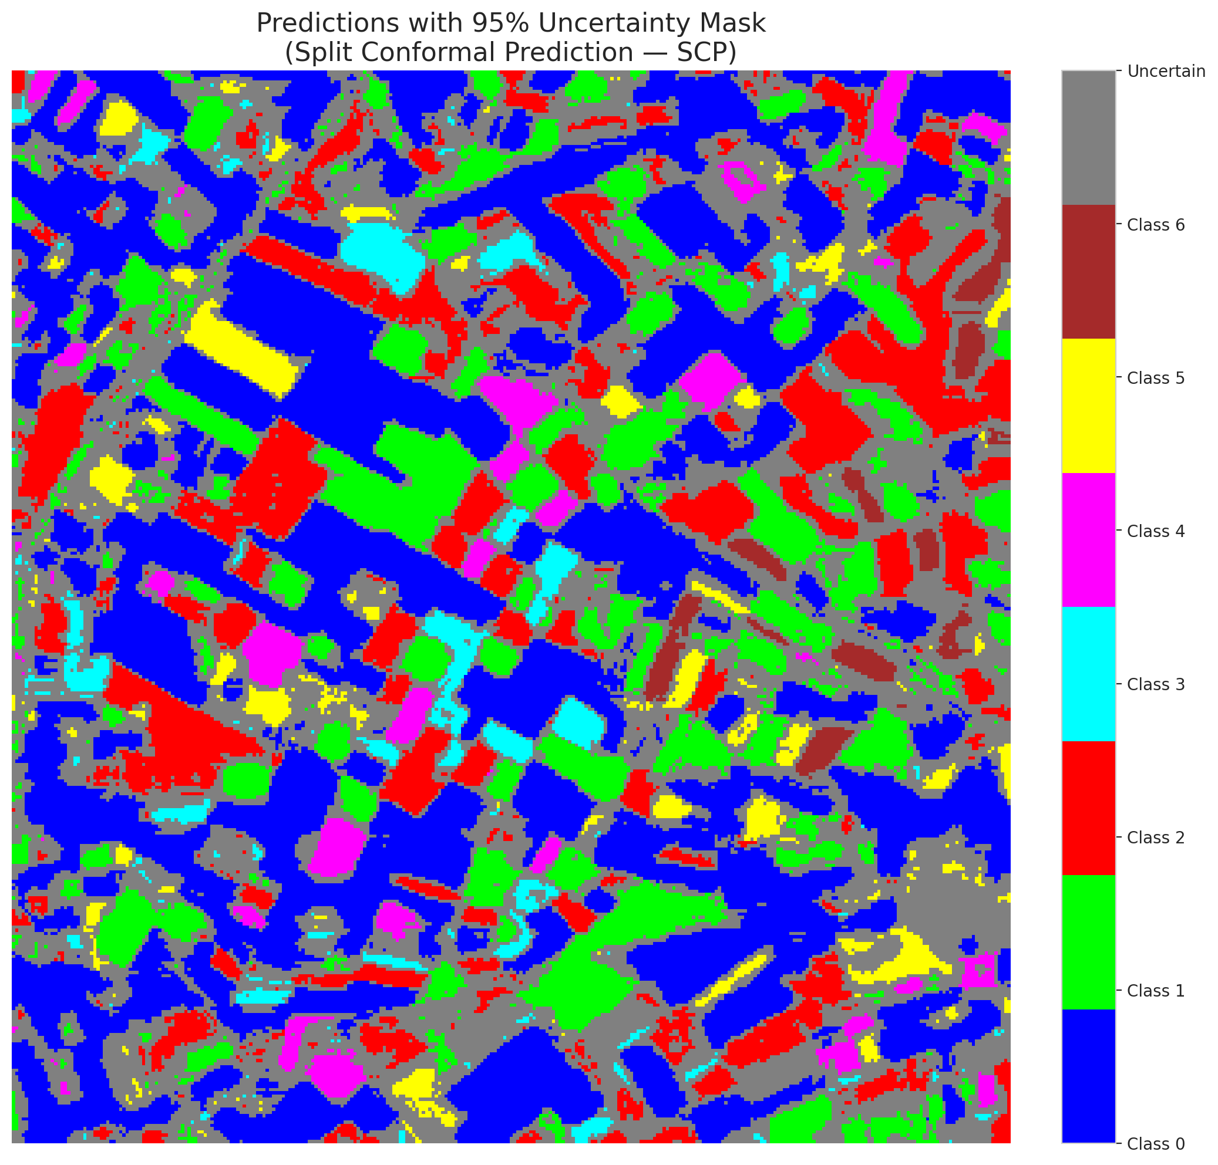

 |  |  |  |  |  |  |  |  | Pixel Counts

ClassCond_GFNet
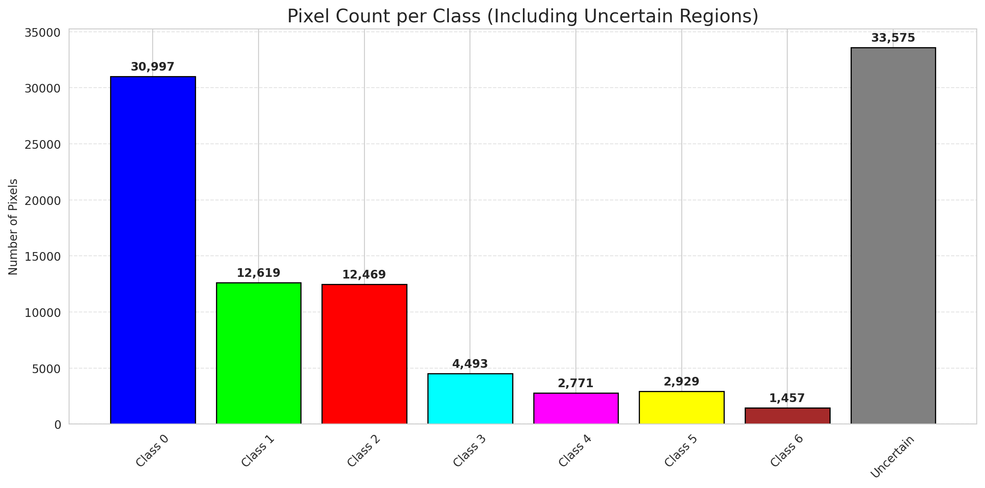
ClassConditionalConformal - GFNet |  |  |  |  |  |  |  |  | Per-Class Coverage
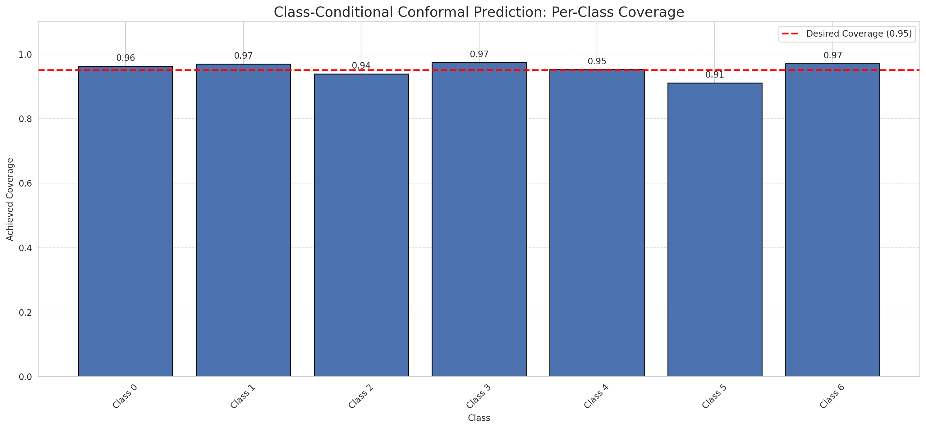
Summary
model_name | method | target_coverage | empirical_coverage | avg_set_size | median_set_size | singleton_rate | empty_set_rate | runtime_sec | alpha | lam | n_clusters | mean_per_class_coverage
GFNet | ClassConditionalConformal | 0.95 | 0.95823665893 | 0.95823665893 | 1 | 0.95823665893 | 0.041763341067 | 1.795935411 | 0.05 |  |  | 0.9540389618

Per-Class Coverage Values
class_id | class_coverage | support_count
0 | 0.96280087527 | 914
1 | 0.96916299559 | 454
2 | 0.93854748603 | 358
3 | 0.97435897436 | 156
4 | 0.95192307692 | 104
5 | 0.91089108911 | 101
6 | 0.97058823529 | 68

Pixel Counts
class_id | label | pixel_count
0 | Class 0 | 30997
1 | Class 1 | 12619
2 | Class 2 | 12469
3 | Class 3 | 4493
4 | Class 4 | 2771 |  |  |  |  |  |  | Certain vs Uncertain Map
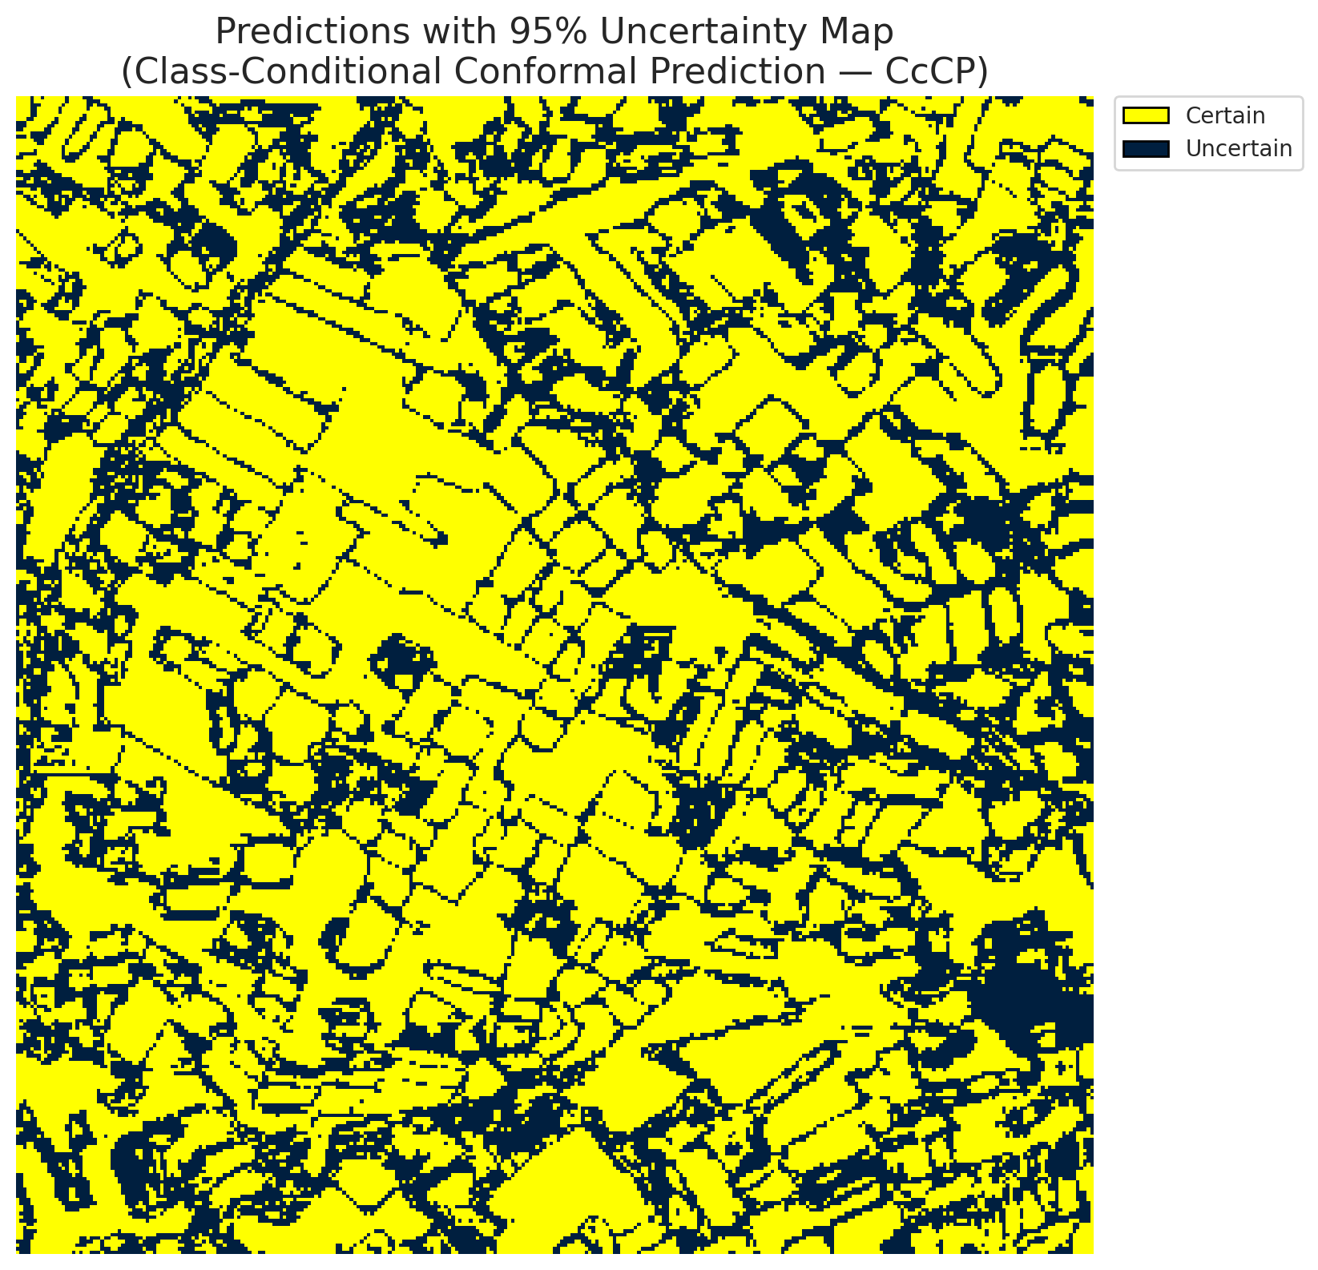
5 | Class 5 | 2929
6 | Class 6 | 1457
7 | Uncertain | 33575

Classwise q_hat
class_id | q_hat_classconditional
0 | 4.1342030044E-06
1 | 0.00010743467936
2 | 6.0303150827E-05
3 | 0.017592833263
4 | 3.4718842555E-05
5 | 5.2362333745E-05
6 | 0.00058609463973

 |  |  |  |  |  |  |  |  | Class Map with Uncertain Mask
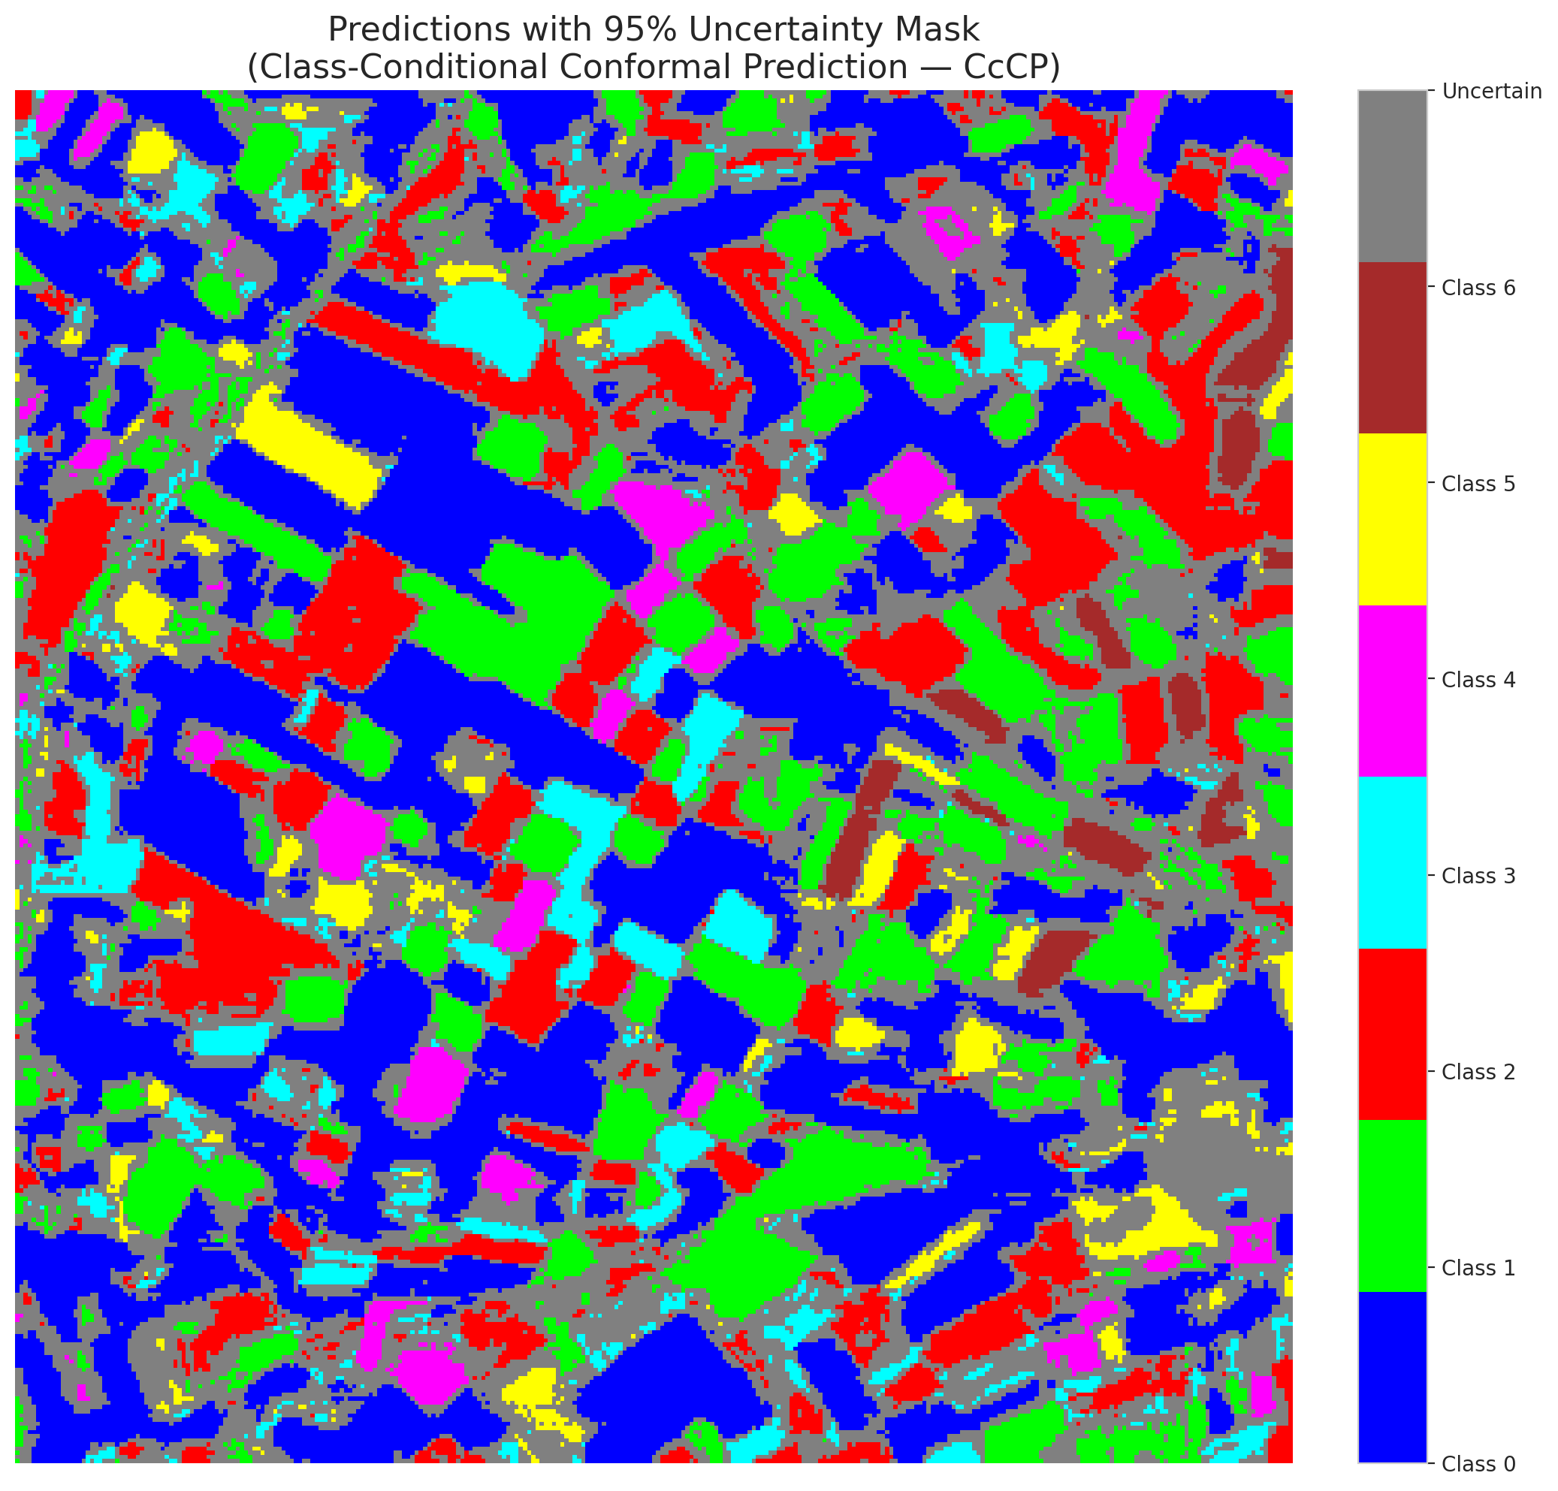

 |  |  |  |  |  |  |  |  | Pixel Counts

RC3P_GFNet
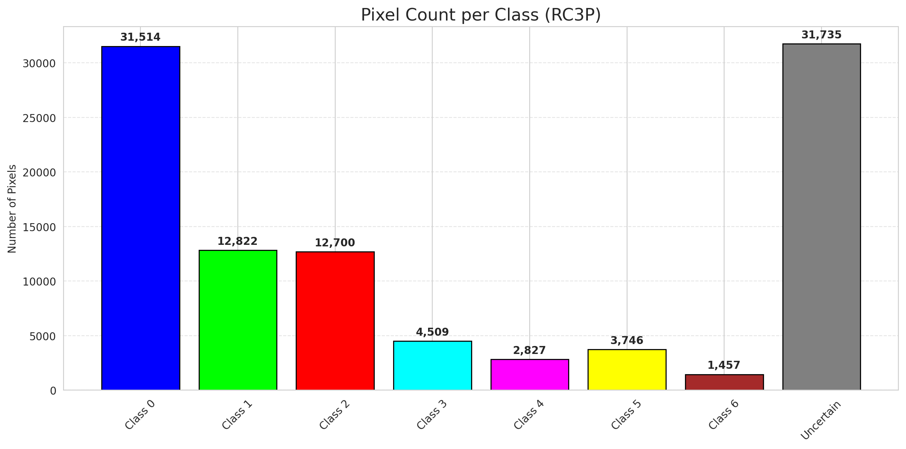
RC3P - GFNet |  |  |  |  |  |  |  |  | Per-Class Coverage
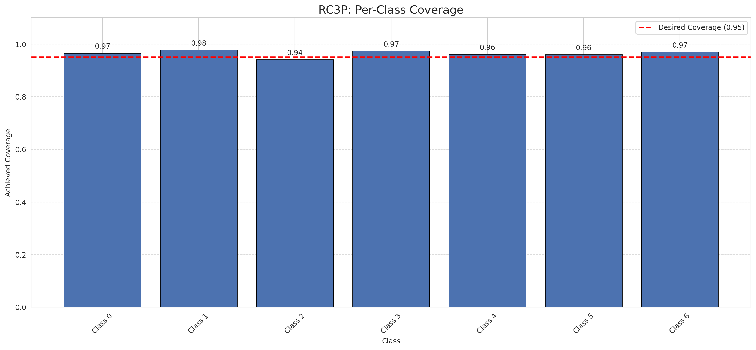
Summary
model_name | method | target_coverage | empirical_coverage | avg_set_size | median_set_size | singleton_rate | empty_set_rate | runtime_sec | alpha | lam | n_clusters | mean_per_class_coverage
GFNet | RC3P | 0.95 | 0.96473317865 | 0.96473317865 | 1 | 0.96473317865 | 0.035266821346 | 1.576458324 | 0.05 |  |  | 0.96461131603

Per-Class Coverage Values
class_id | class_coverage | support_count
0 | 0.96608315098 | 914
1 | 0.97797356828 | 454
2 | 0.94134078212 | 358
3 | 0.97435897436 | 156
4 | 0.96153846154 | 104
5 | 0.9603960396 | 101
6 | 0.97058823529 | 68

Pixel Counts
class_id | label | pixel_count
0 | Class 0 | 31514
1 | Class 1 | 12822
2 | Class 2 | 12700
3 | Class 3 | 4509
4 | Class 4 | 2827 |  |  |  |  |  |  | Certain vs Uncertain Map
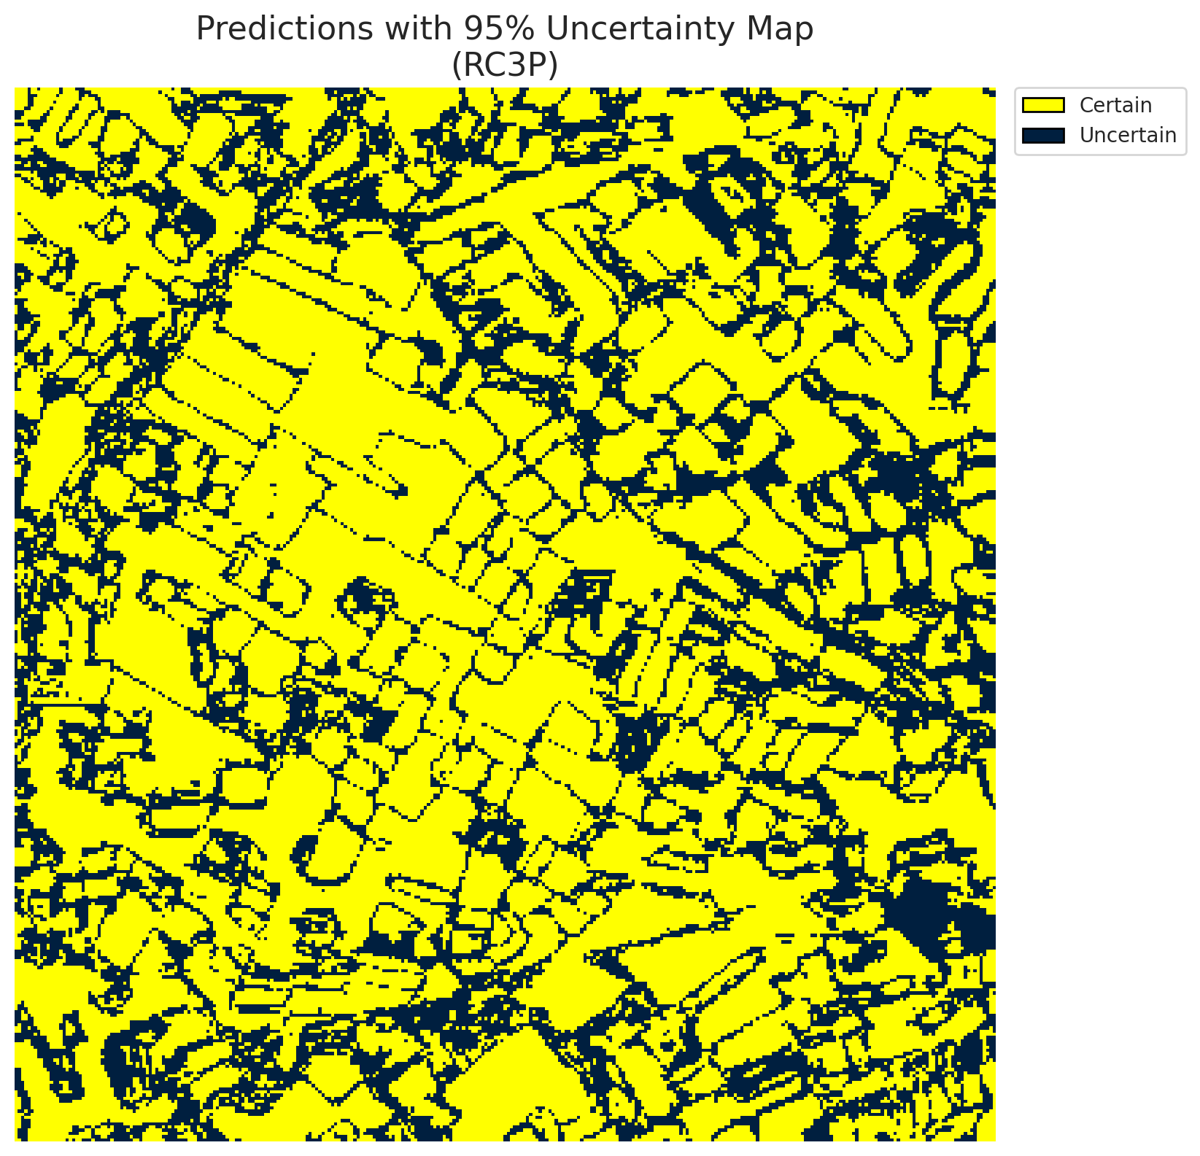
5 | Class 5 | 3746
6 | Class 6 | 1457
7 | Uncertain | 31735

RC3P Thresholds & Limits
class_id | q_hat_rc3p | suit_index_limit
0 | 5.7843741309E-06 | 1
1 | 0.00014002491154 | 1
2 | 8.2672442362E-05 | 1
3 | 0.01796930253 | 1
4 | 4.8223195853E-05 | 1
5 | 0.00061639960942 | 1
6 | 0.00058609463973 | 1

 |  |  |  |  |  |  |  |  | Class Map with Uncertain Mask
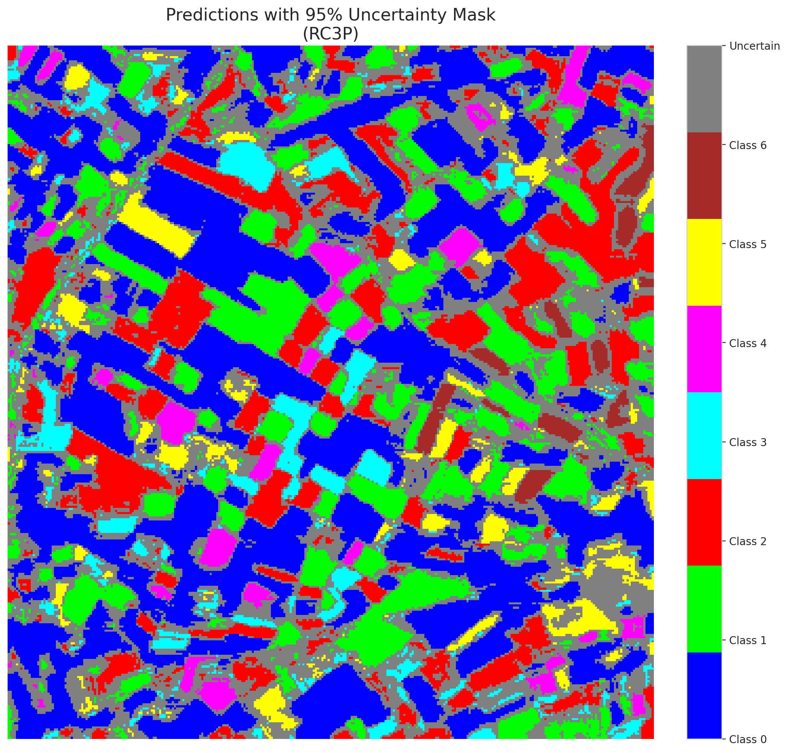

 |  |  |  |  |  |  |  |  | Pixel Counts

Clustered_GFNet
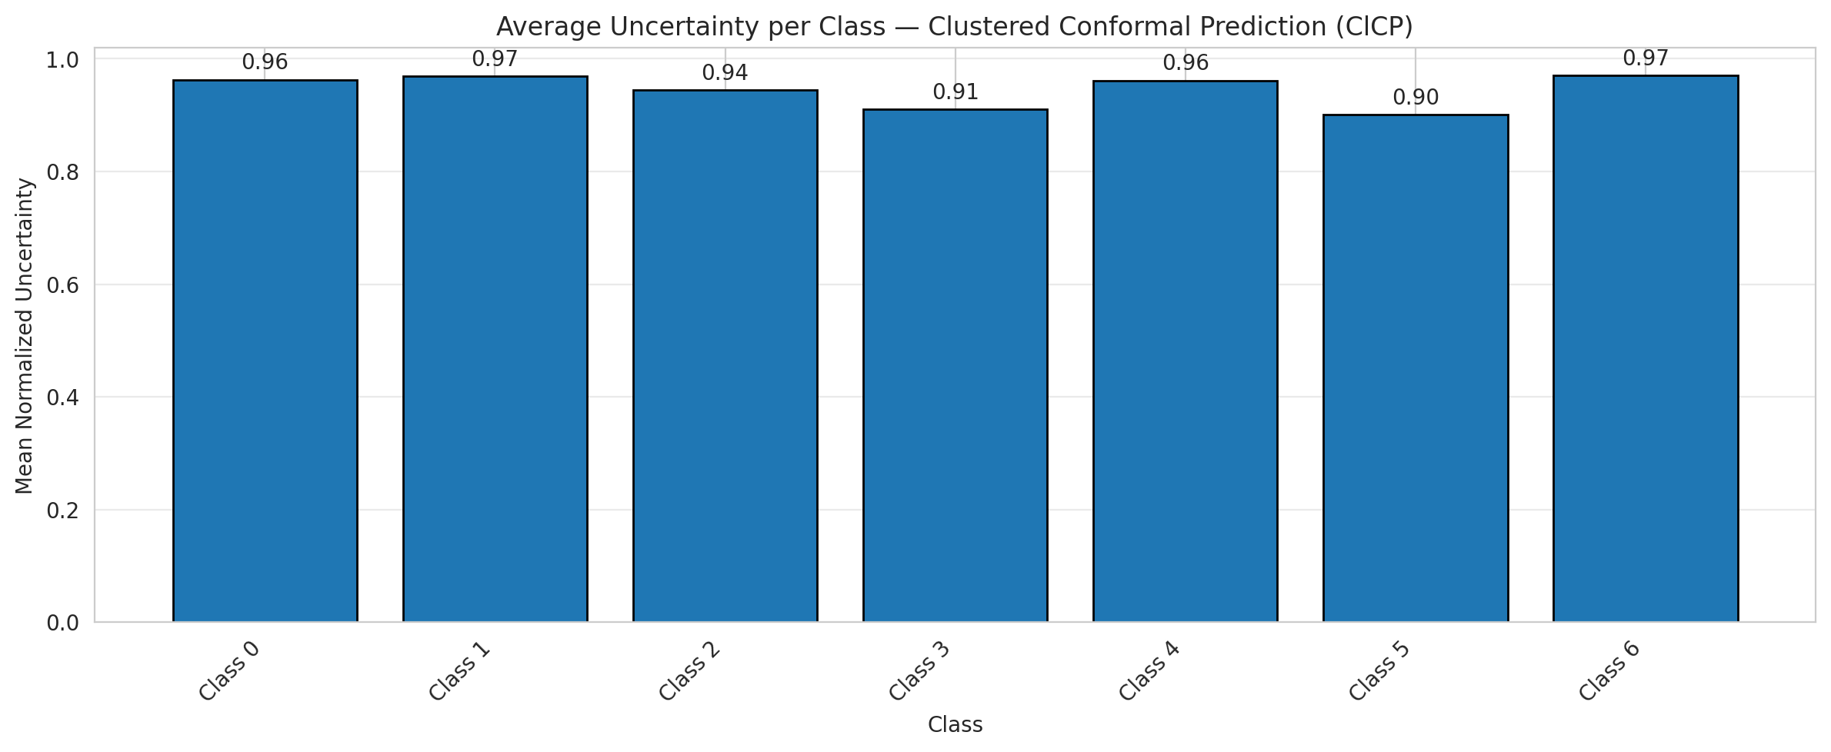
ClusteredConformal - GFNet |  |  |  |  |  |  |  |  | Per-Class Coverage
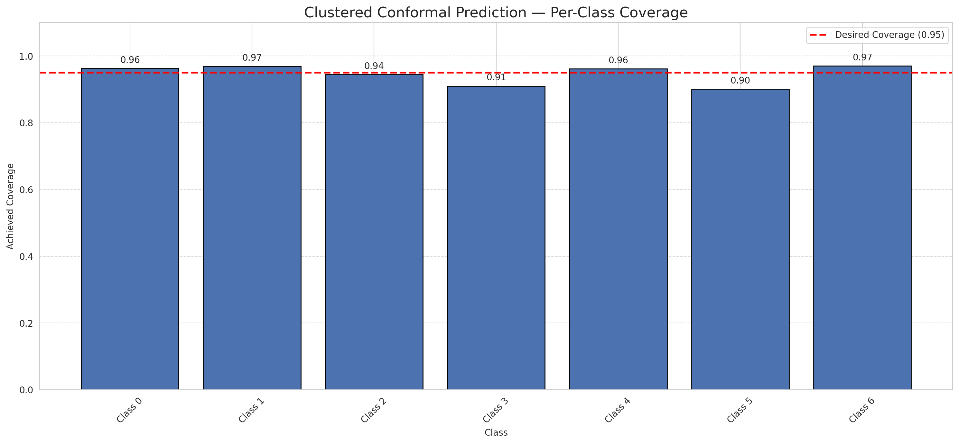
Summary
model_name | method | target_coverage | empirical_coverage | avg_set_size | median_set_size | singleton_rate | empty_set_rate | runtime_sec | alpha | lam | n_clusters | mean_per_class_coverage
GFNet | ClusteredConformal | 0.95 | 0.95452436195 | 0.95452436195 | 1 | 0.95452436195 | 0.045475638051 | 4.837617724 | 0.05 |  | 4 | 0.94563873645

Per-Class Coverage Values
class_id | class_coverage | support_count
0 | 0.96280087527 | 914
1 | 0.96916299559 | 454
2 | 0.94413407821 | 358
3 | 0.91025641026 | 156
4 | 0.96153846154 | 104
5 | 0.90099009901 | 101
6 | 0.97058823529 | 68

Class-to-Cluster Assignment
class_id | cluster_id
0 | 2
1 | 0
2 | 0
3 | 0
4 | 1 |  |  |  |  |  |  |  | Uncertainty Distribution

5 | 1
6 | 3

Cluster q_hat
cluster_id | q_hat_cluster
0 | 0.00010807620042
1 | 4.0433012375E-05
2 | 4.1342030044E-06
3 | 0.00058609463973

Cluster Mean Uncertainty
cluster | uncertainty
0 | 0.95041322314
1 | 0.93170731707
2 | 0.96280087527
3 | 0.97058823529

Class Mean Uncertainty
class_id | uncertainty
0 | 0.96280087527
1 | 0.96916299559 |  |  |  |  |  |  |  | Avg Uncertainty per Cluster
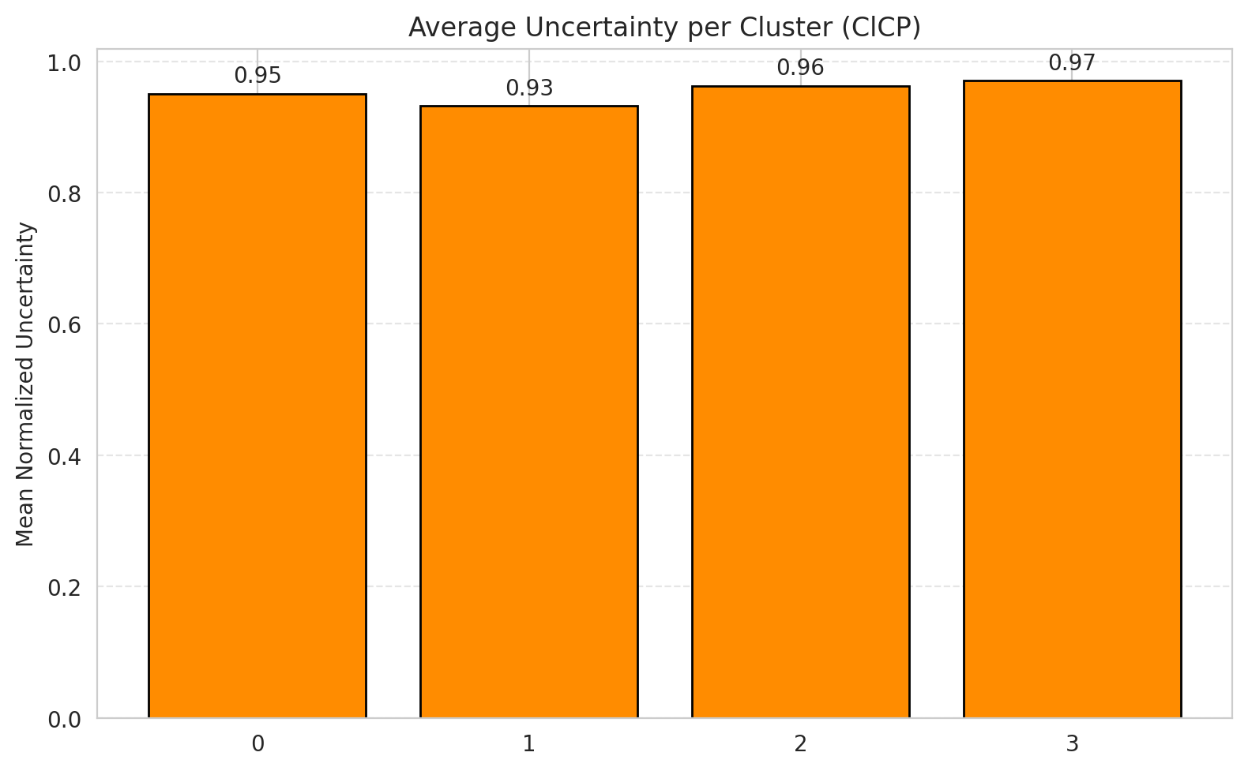
2 | 0.94413407821
3 | 0.91025641026
4 | 0.96153846154
5 | 0.90099009901
6 | 0.97058823529

 |  |  |  |  |  |  |  |  | Avg Uncertainty per Class

Split_ViT
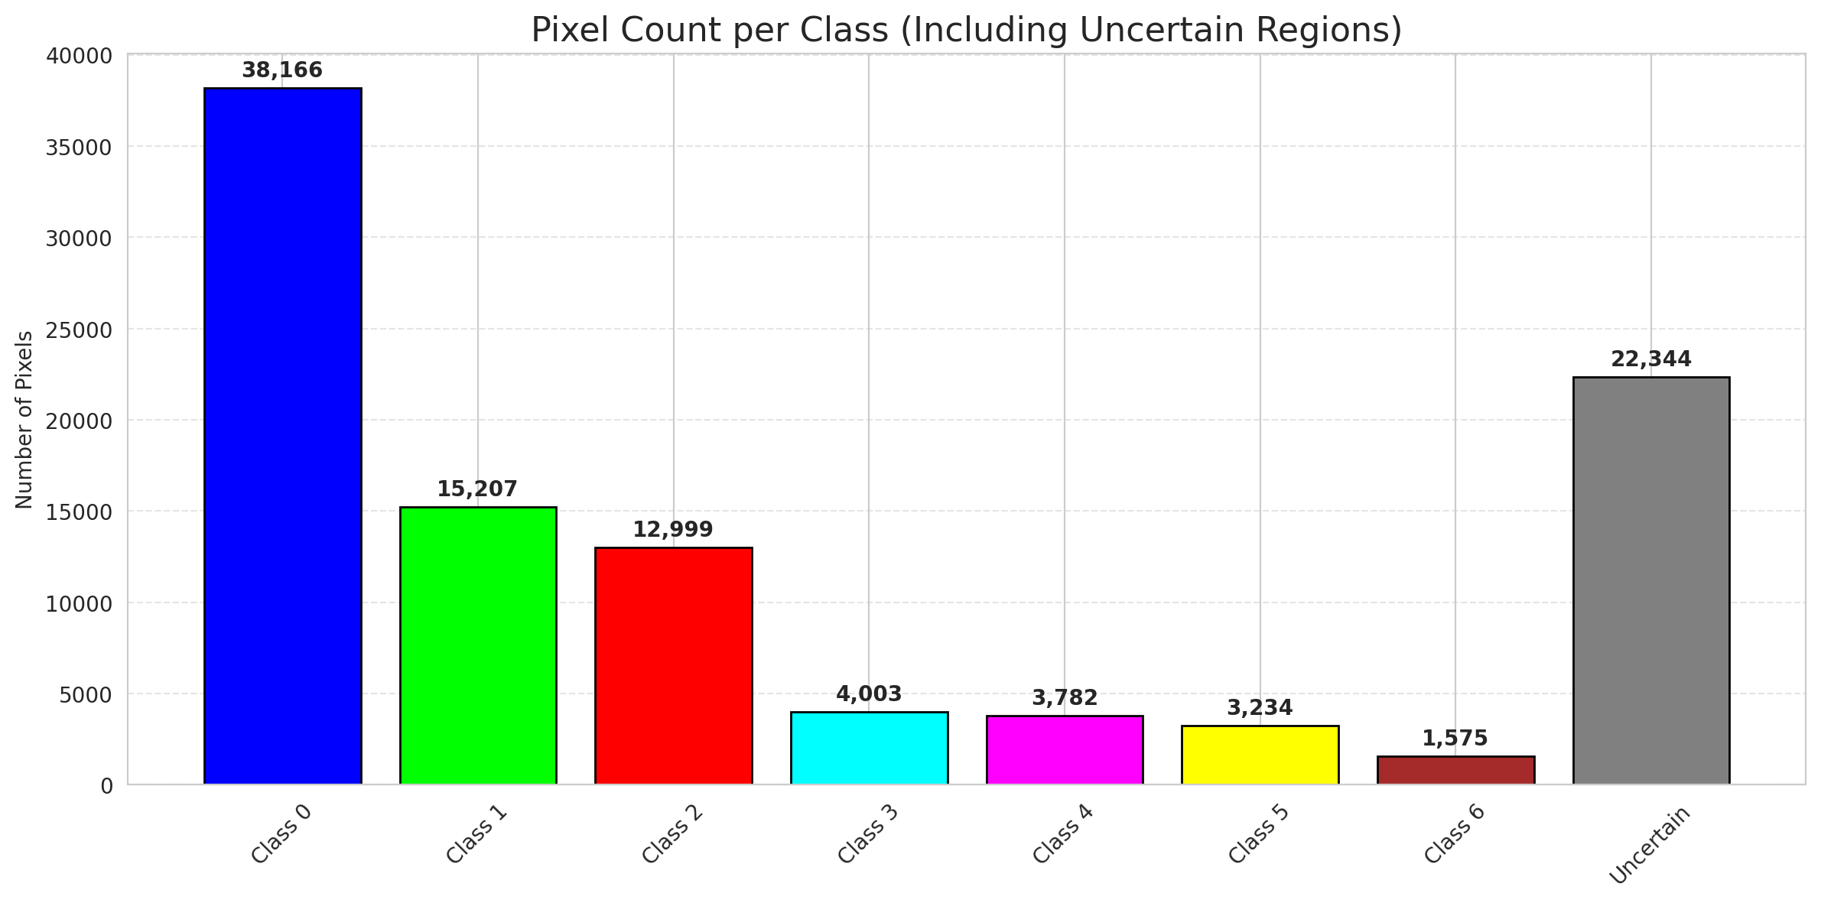
SplitConformal - ViT |  |  |  |  |  |  |  |  | Per-Class Coverage
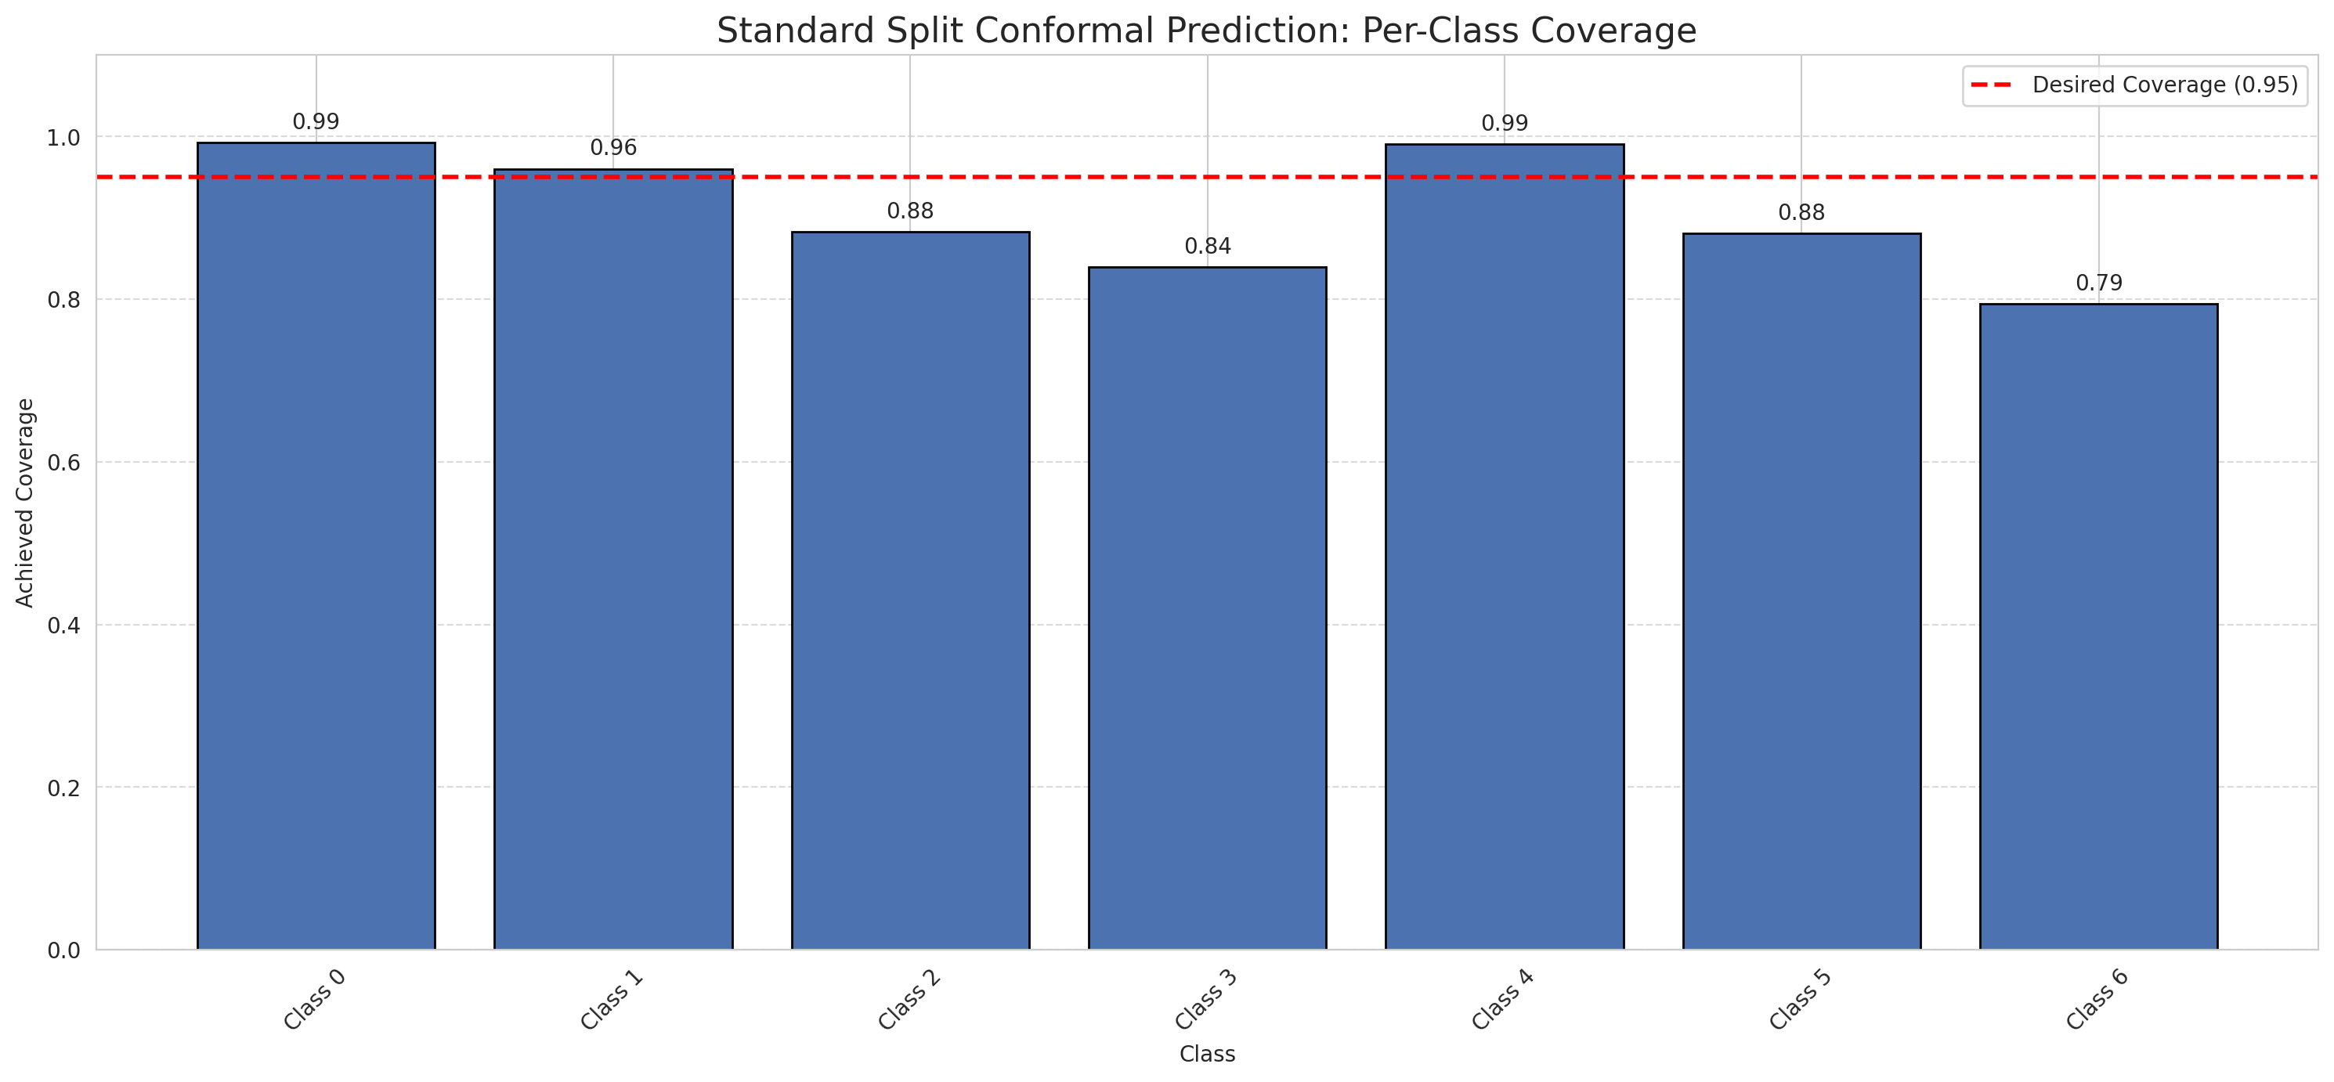
Summary
model_name | method | target_coverage | empirical_coverage | avg_set_size | median_set_size | singleton_rate | empty_set_rate | runtime_sec | alpha | lam | n_clusters | mean_per_class_coverage
ViT | SplitConformal | 0.95 | 0.94477958237 | 0.94524361949 | 1 | 0.94524361949 | 0.05475638051 | 1.895893251 | 0.05 |  |  | 0.90582990212

Per-Class Coverage Values
class_id | class_coverage | support_count
0 | 0.99234135667 | 914
1 | 0.96035242291 | 454
2 | 0.88268156425 | 358
3 | 0.83974358974 | 156
4 | 0.99038461538 | 104
5 | 0.88118811881 | 101
6 | 0.79411764706 | 68

Pixel Counts
class_id | label | pixel_count
0 | Class 0 | 38166
1 | Class 1 | 15207
2 | Class 2 | 12999
3 | Class 3 | 4003
4 | Class 4 | 3782 |  |  |  |  |  |  | Certain vs Uncertain Map
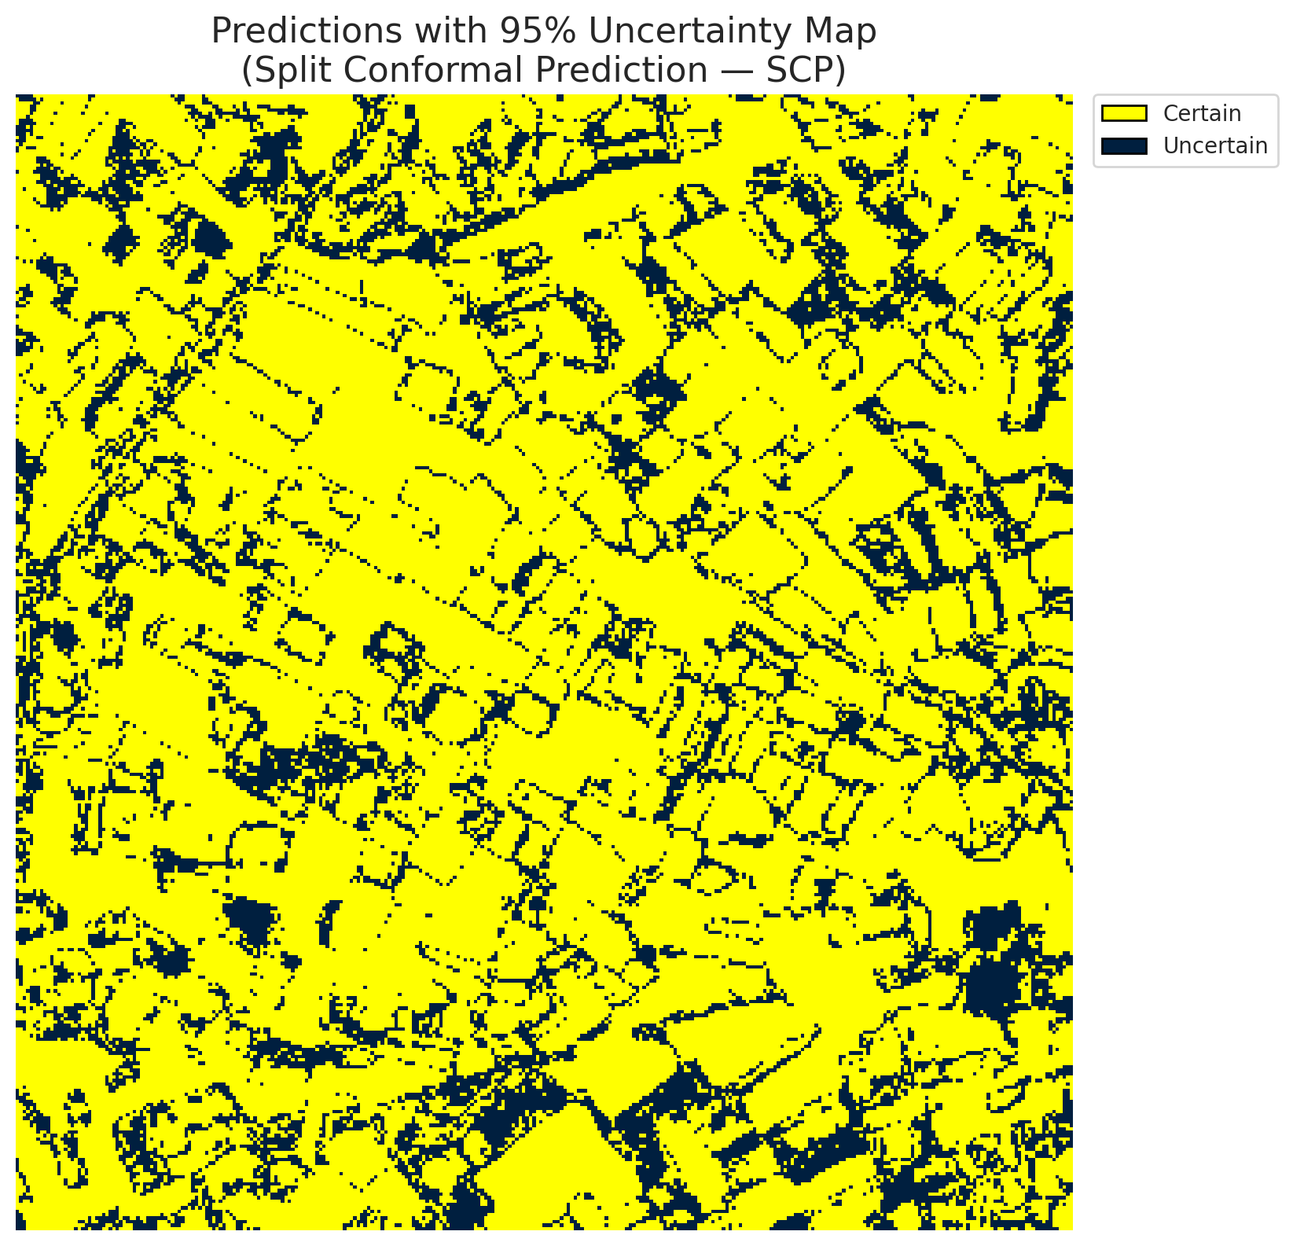
5 | Class 5 | 3234
6 | Class 6 | 1575
7 | Uncertain | 22344

Threshold
q_hat_split
0.0026170325372

 |  |  |  |  |  |  |  |  | Class Map with Uncertain Mask
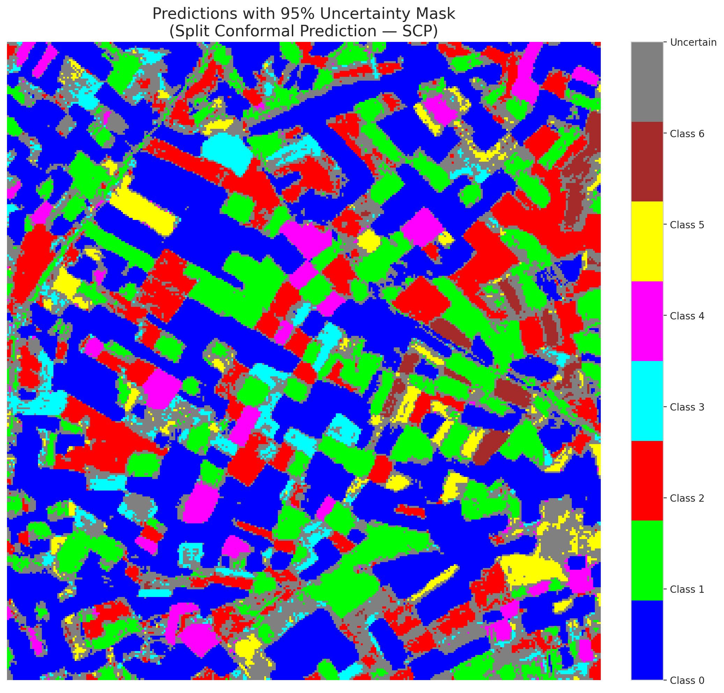

 |  |  |  |  |  |  |  |  | Pixel Counts

ClassCond_ViT
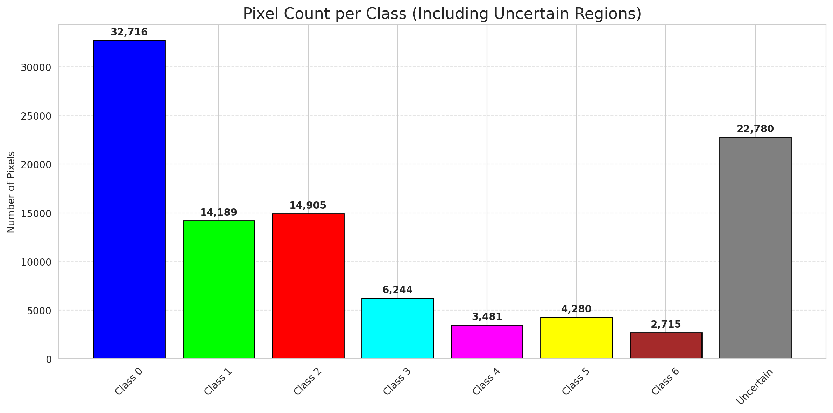
ClassConditionalConformal - ViT |  |  |  |  |  |  |  |  | Per-Class Coverage
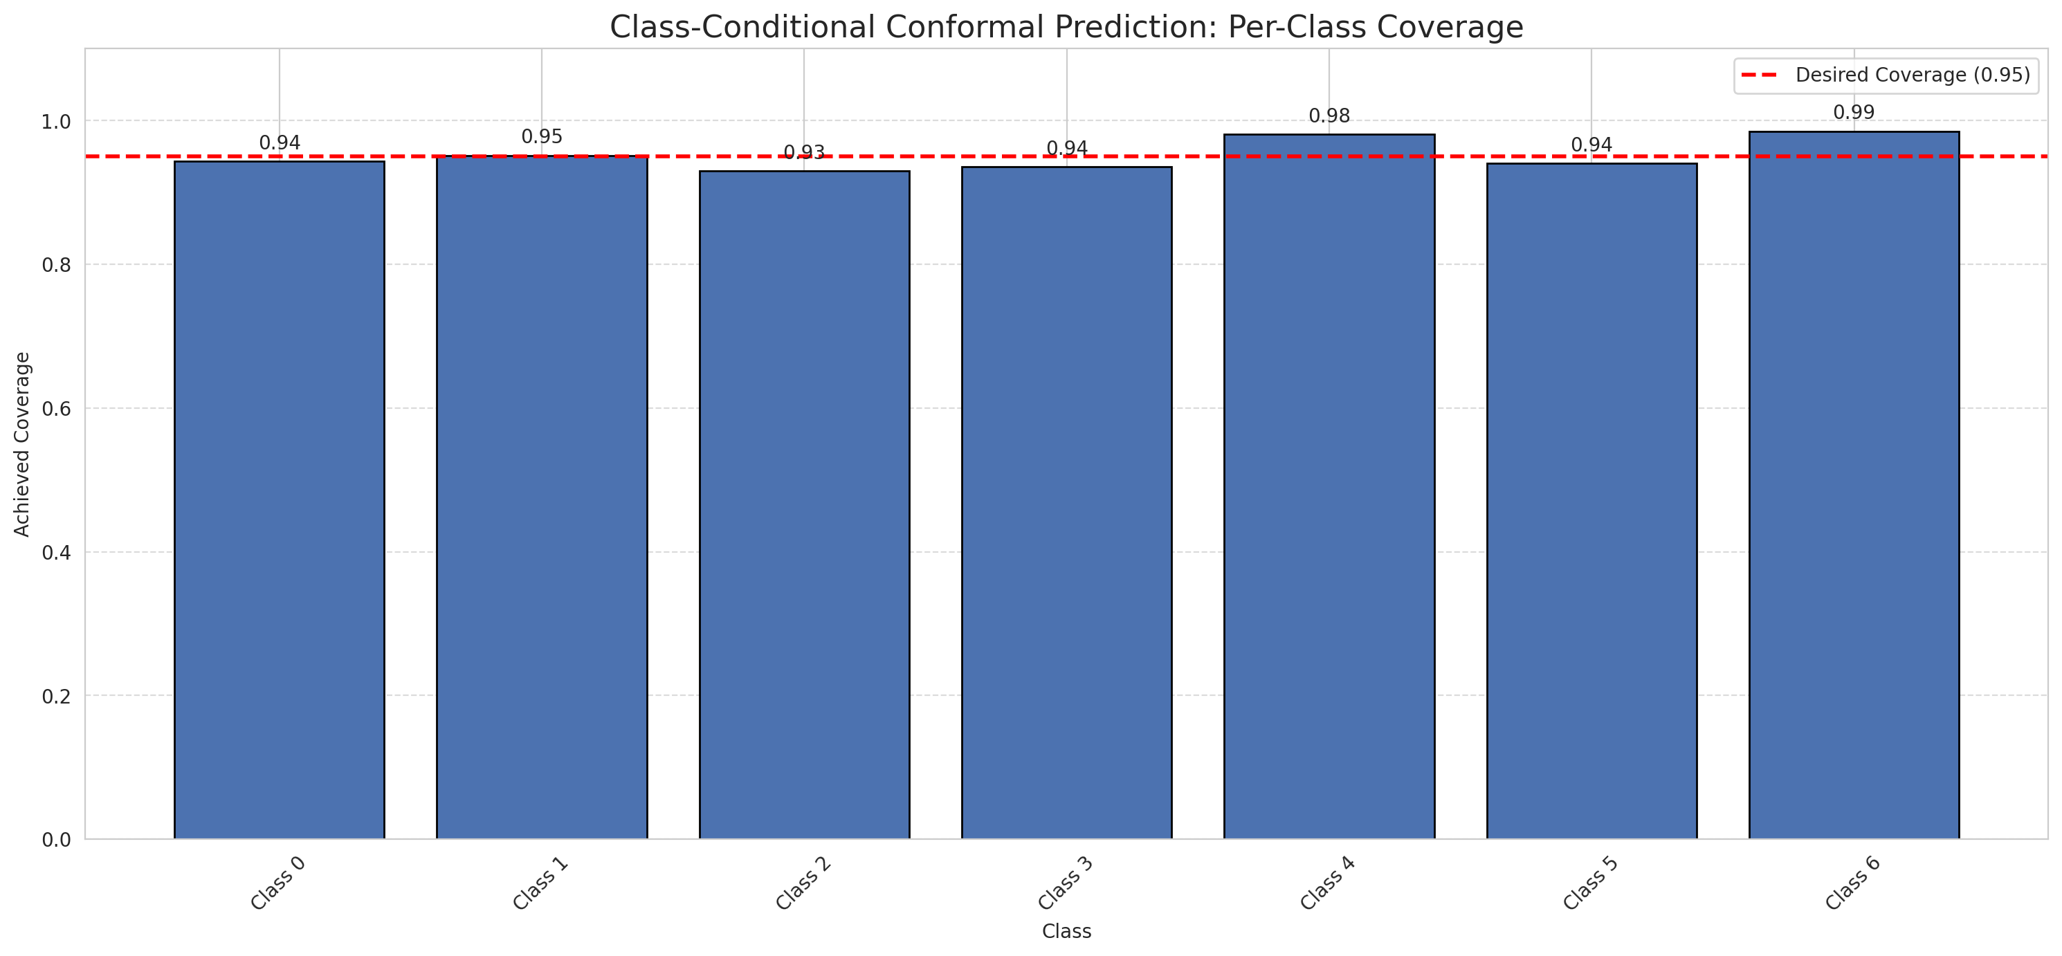
Summary
model_name | method | target_coverage | empirical_coverage | avg_set_size | median_set_size | singleton_rate | empty_set_rate | runtime_sec | alpha | lam | n_clusters | mean_per_class_coverage
ViT | ClassConditionalConformal | 0.95 | 0.94524361949 | 0.9475638051 | 1 | 0.9475638051 | 0.052436194896 | 1.612317569 | 0.05 |  |  | 0.95248164467

Per-Class Coverage Values
class_id | class_coverage | support_count
0 | 0.94310722101 | 914
1 | 0.95154185022 | 454
2 | 0.93016759777 | 358
3 | 0.9358974359 | 156
4 | 0.98076923077 | 104
5 | 0.94059405941 | 101
6 | 0.98529411765 | 68

Pixel Counts
class_id | label | pixel_count
0 | Class 0 | 32716
1 | Class 1 | 14189
2 | Class 2 | 14905
3 | Class 3 | 6244
4 | Class 4 | 3481 |  |  |  |  |  |  | Certain vs Uncertain Map
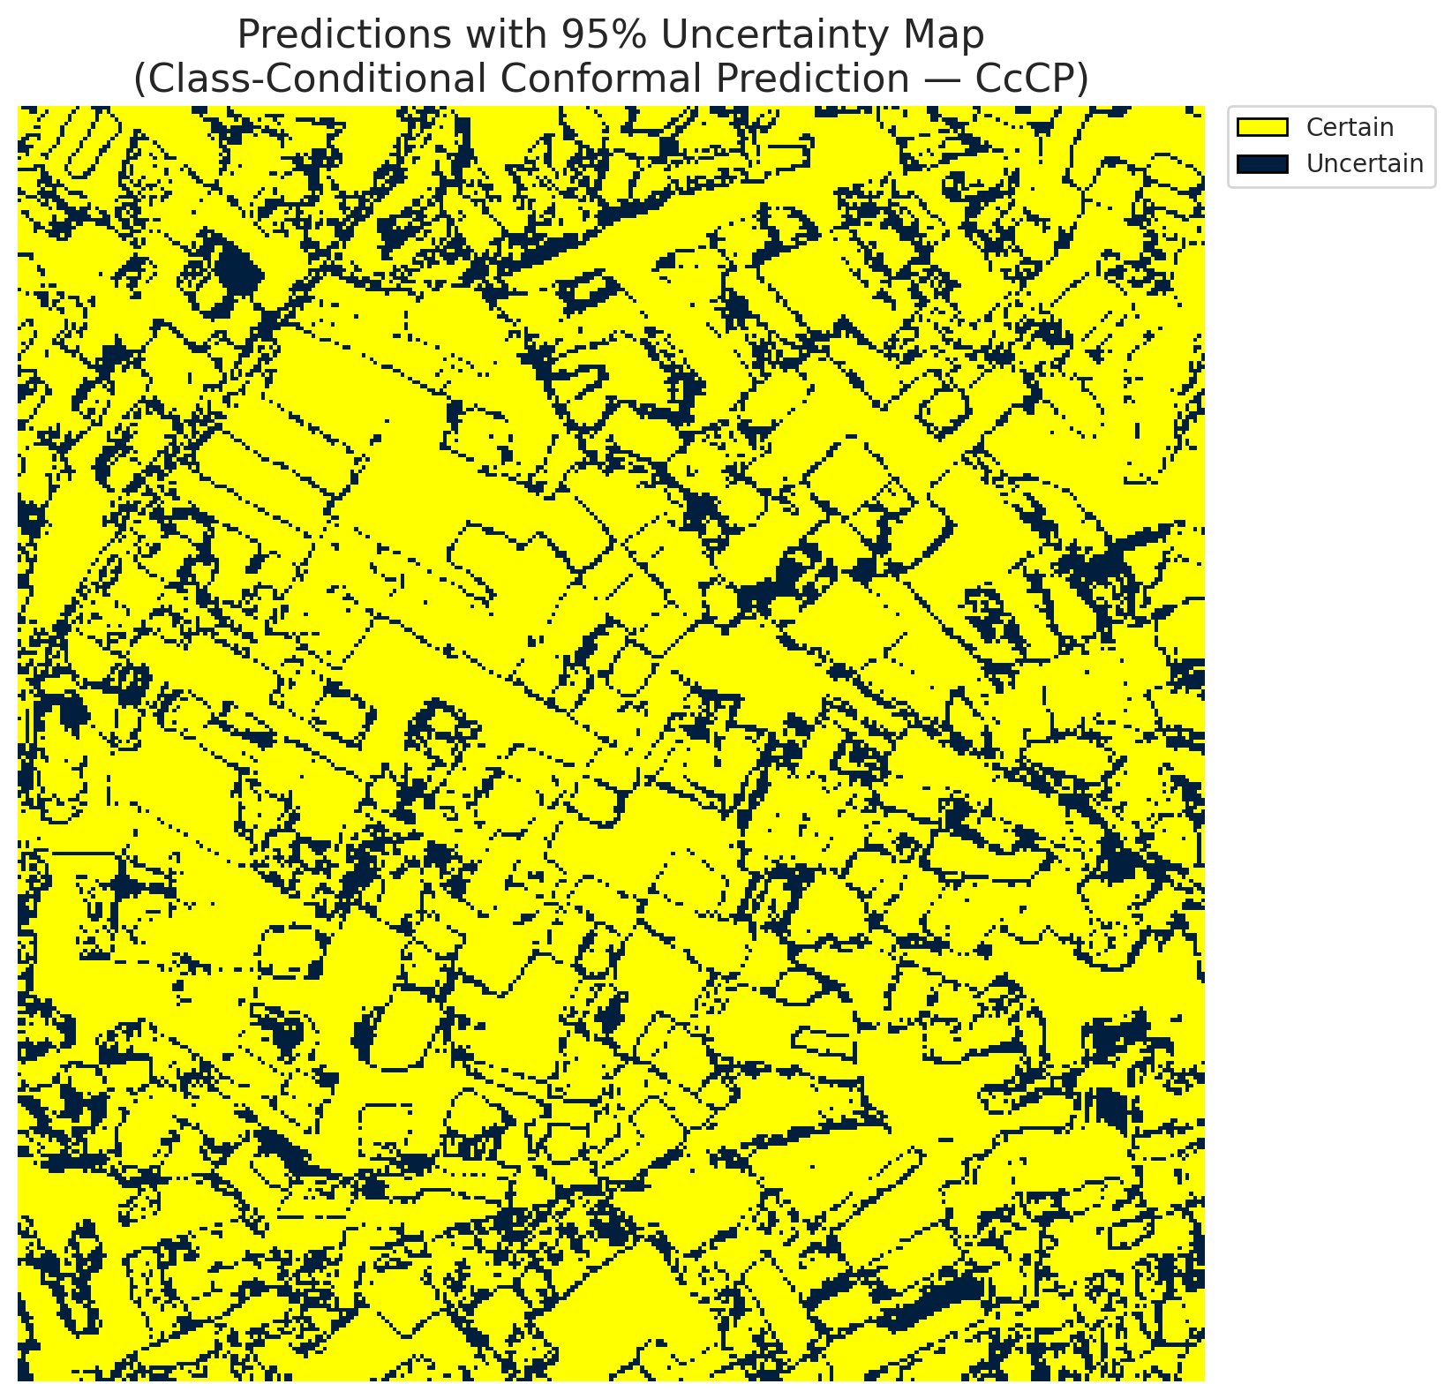
5 | Class 5 | 4280
6 | Class 6 | 2715
7 | Uncertain | 22780

Classwise q_hat
class_id | q_hat_classconditional
0 | 1.7581382039E-07
1 | 0.0007167141014
2 | 0.043914373413
3 | 0.057362809536
4 | 0.00037408499769
5 | 0.015262940158
6 | 0.68884863125

 |  |  |  |  |  |  |  |  | Class Map with Uncertain Mask
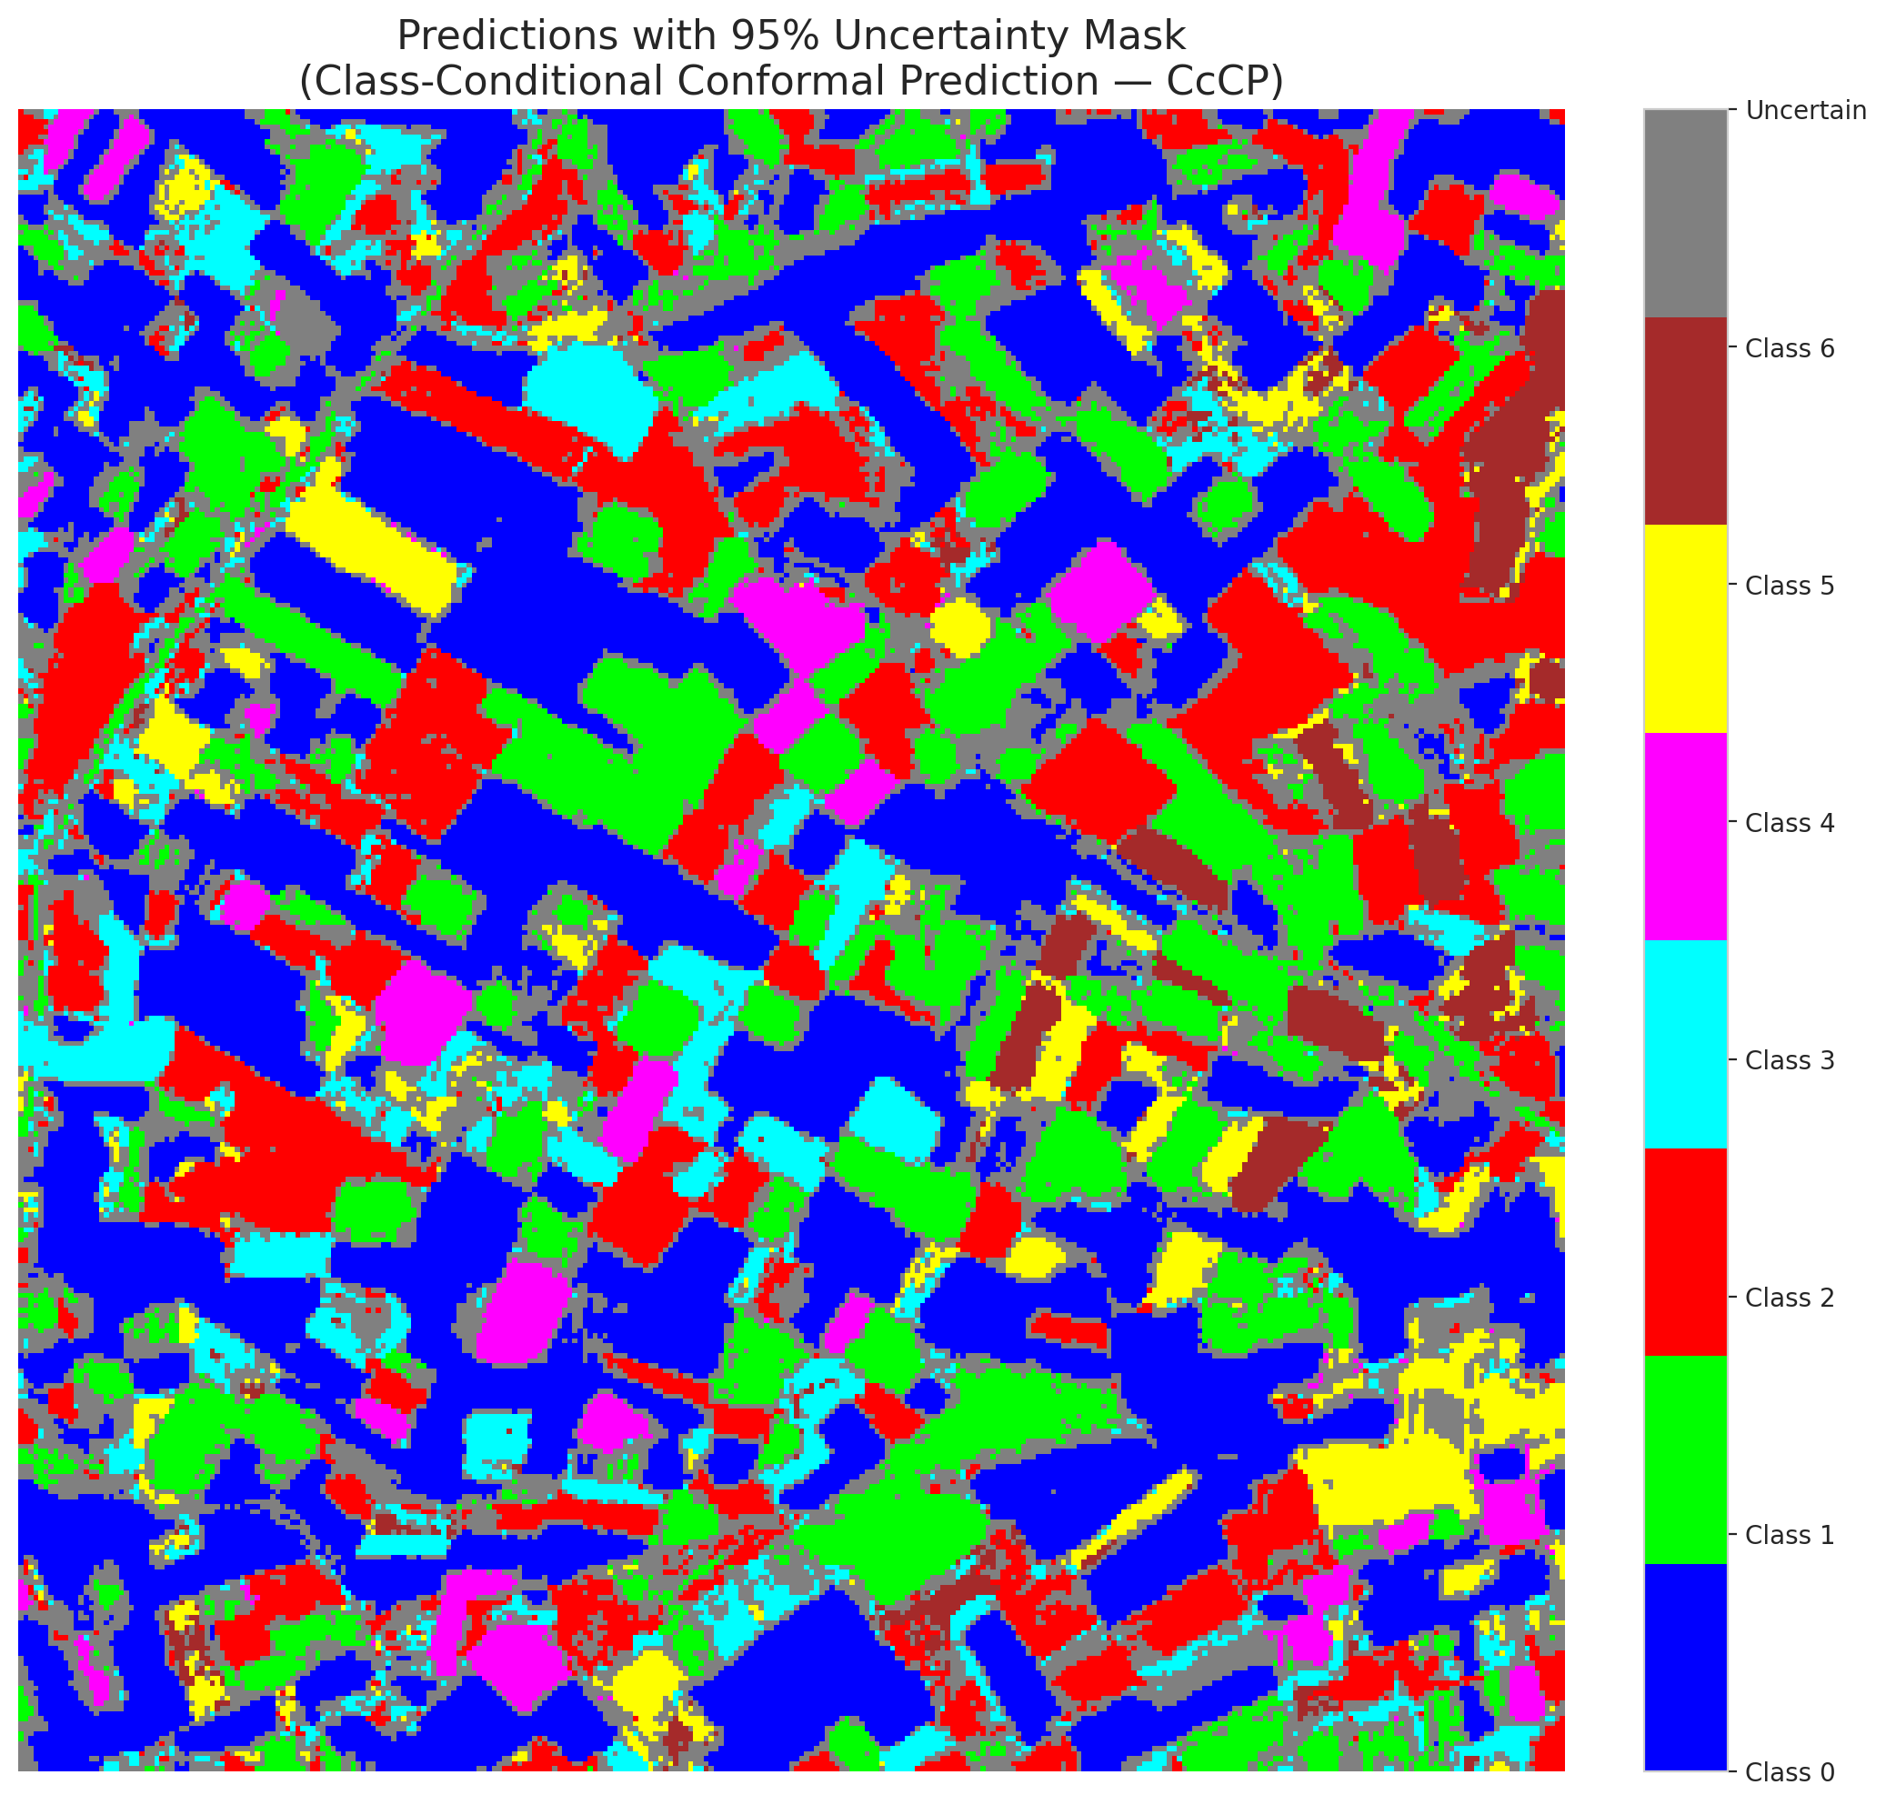

 |  |  |  |  |  |  |  |  | Pixel Counts

RC3P_ViT
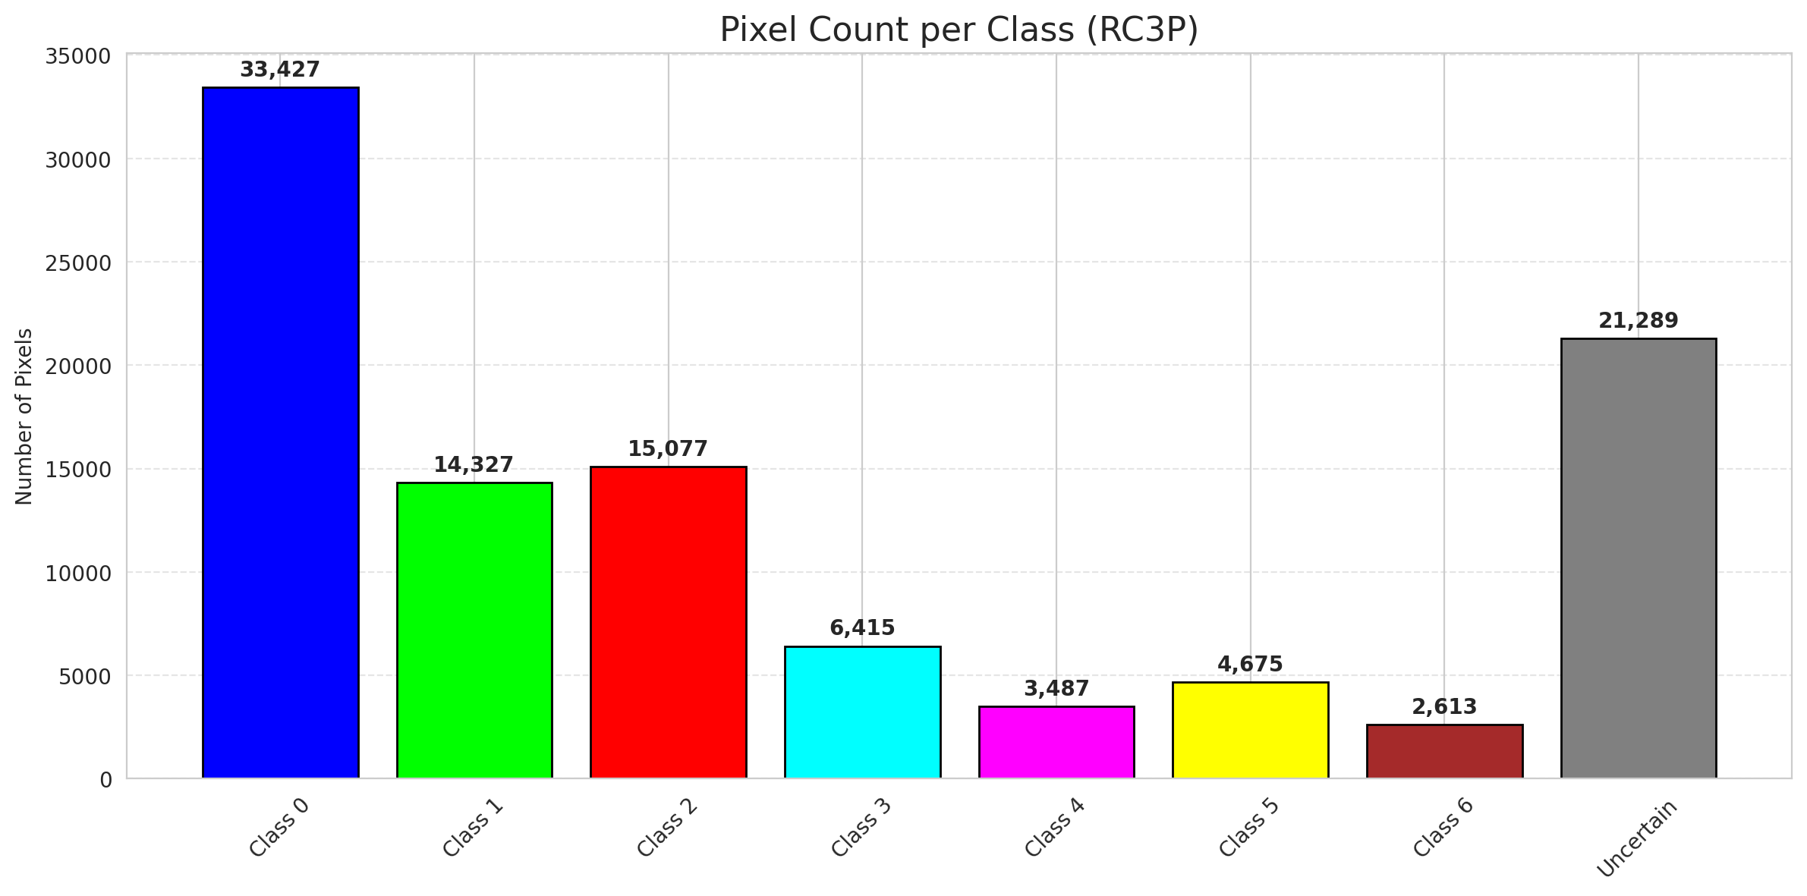
RC3P - ViT |  |  |  |  |  |  |  |  | Per-Class Coverage
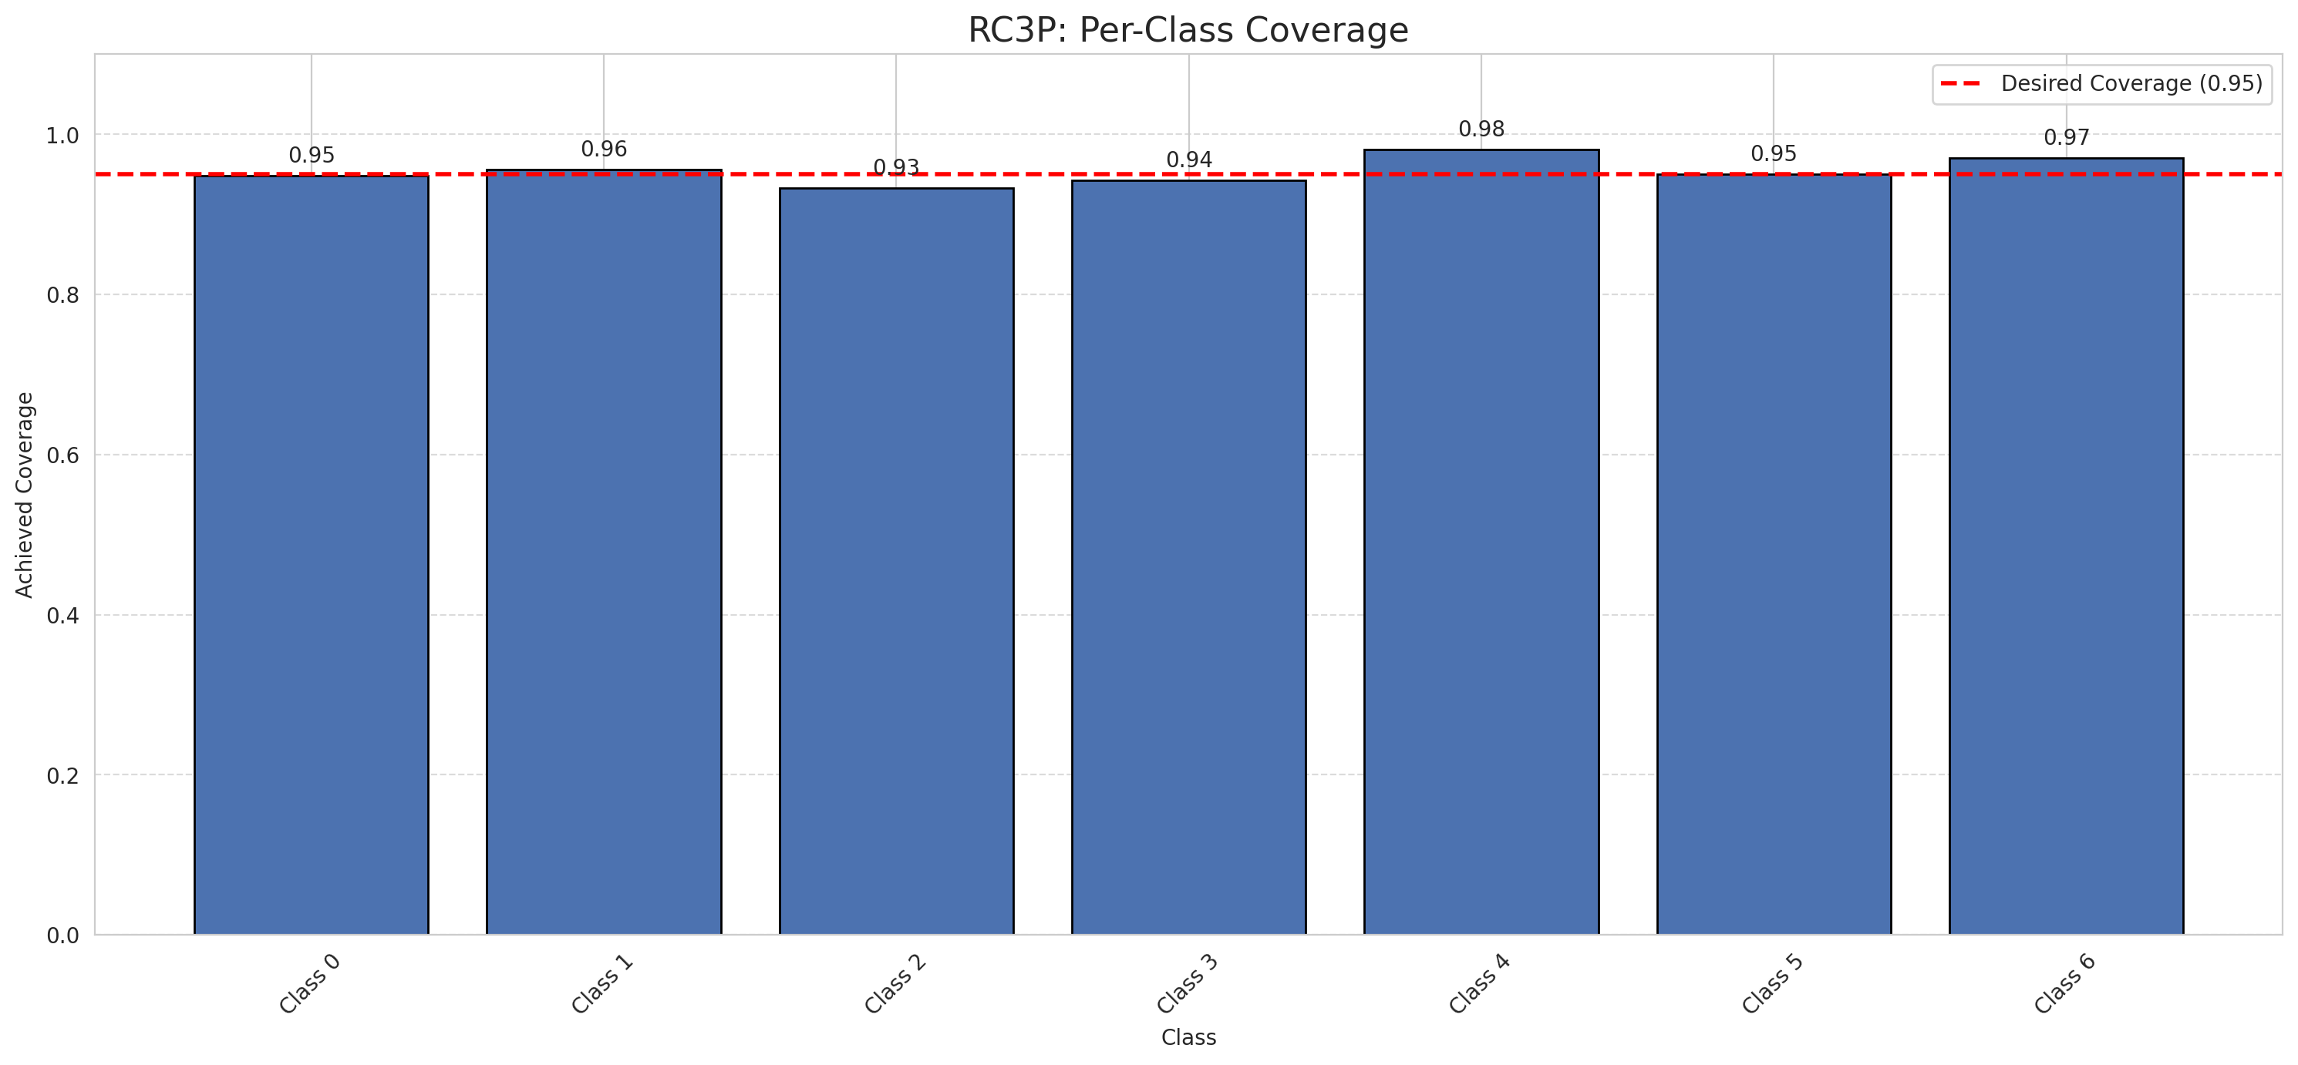
Summary
model_name | method | target_coverage | empirical_coverage | avg_set_size | median_set_size | singleton_rate | empty_set_rate | runtime_sec | alpha | lam | n_clusters | mean_per_class_coverage
ViT | RC3P | 0.95 | 0.9494199536 | 0.95174013921 | 1 | 0.95174013921 | 0.048259860789 | 1.948271081 | 0.05 |  |  | 0.95452084555

Per-Class Coverage Values
class_id | class_coverage | support_count
0 | 0.94857768053 | 914
1 | 0.95594713656 | 454
2 | 0.93296089385 | 358
3 | 0.94230769231 | 156
4 | 0.98076923077 | 104
5 | 0.9504950495 | 101
6 | 0.97058823529 | 68

Pixel Counts
class_id | label | pixel_count
0 | Class 0 | 33427
1 | Class 1 | 14327
2 | Class 2 | 15077
3 | Class 3 | 6415
4 | Class 4 | 3487 |  |  |  |  |  |  | Certain vs Uncertain Map
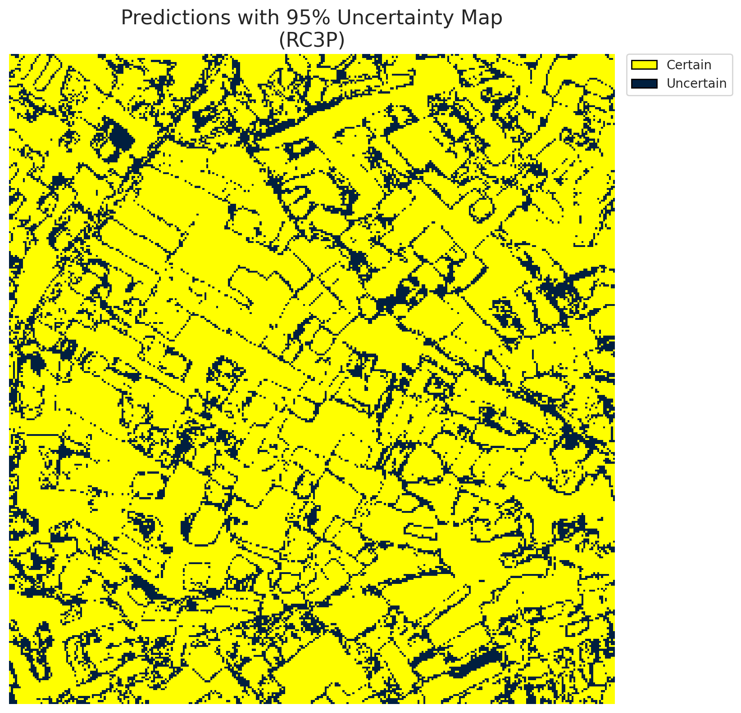
5 | Class 5 | 4675
6 | Class 6 | 2613
7 | Uncertain | 21289

RC3P Thresholds & Limits
class_id | q_hat_rc3p | suit_index_limit
0 | 3.6770325729E-07 | 1
1 | 0.00085631412244 | 1
2 | 0.057889924132 | 1
3 | 0.071381083736 | 1
4 | 0.00039796244789 | 1
5 | 0.040979942059 | 1
6 | 0.38429103968 | 1

 |  |  |  |  |  |  |  |  | Class Map with Uncertain Mask


 |  |  |  |  |  |  |  |  | Pixel Counts

Clustered_ViT
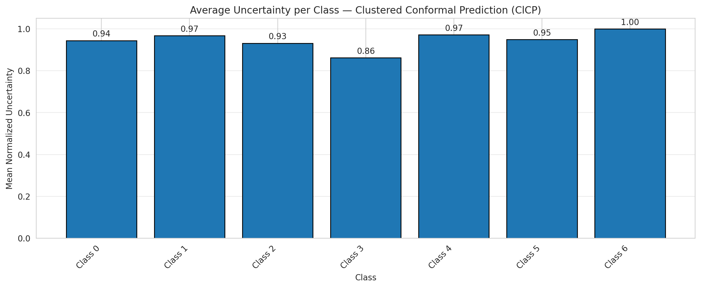
ClusteredConformal - ViT |  |  |  |  |  |  |  |  | Per-Class Coverage
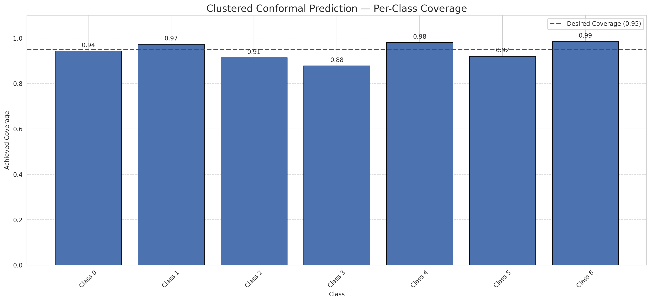
Summary
model_name | method | target_coverage | empirical_coverage | avg_set_size | median_set_size | singleton_rate | empty_set_rate | runtime_sec | alpha | lam | n_clusters | mean_per_class_coverage
ViT | ClusteredConformal | 0.95 | 0.94199535963 | 0.94431554524 | 1 | 0.94431554524 | 0.055684454756 | 11.709637385 | 0.05 |  | 4 | 0.94216341143

Per-Class Coverage Values
class_id | class_coverage | support_count
0 | 0.94310722101 | 914
1 | 0.97356828194 | 454
2 | 0.91340782123 | 358
3 | 0.87820512821 | 156
4 | 0.98076923077 | 104
5 | 0.92079207921 | 101
6 | 0.98529411765 | 68

Class-to-Cluster Assignment
class_id | cluster_id
0 | 2
1 | 1
2 | 1
3 | 1
4 | 3 |  |  |  |  |  |  |  | Uncertainty Distribution
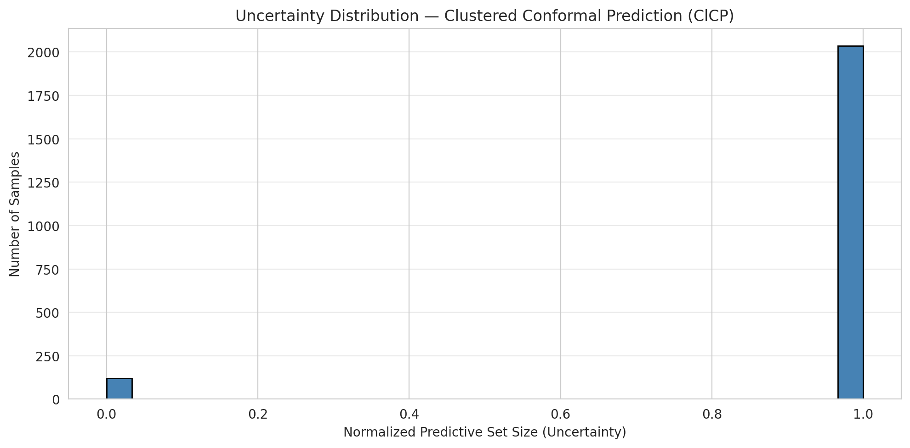
5 | 1
6 | 0

Cluster q_hat
cluster_id | q_hat_cluster
0 | 0.68884863125
1 | 0.0087673958301
2 | 1.7581382039E-07
3 | 0.00037408499769

Cluster Mean Uncertainty
cluster | uncertainty
0 | 1
1 | 0.9381443299
2 | 0.94414019715
3 | 0.97142857143

Class Mean Uncertainty
class_id | uncertainty
0 | 0.94414019715
1 | 0.9672489083 |  |  |  |  |  |  |  | Avg Uncertainty per Cluster
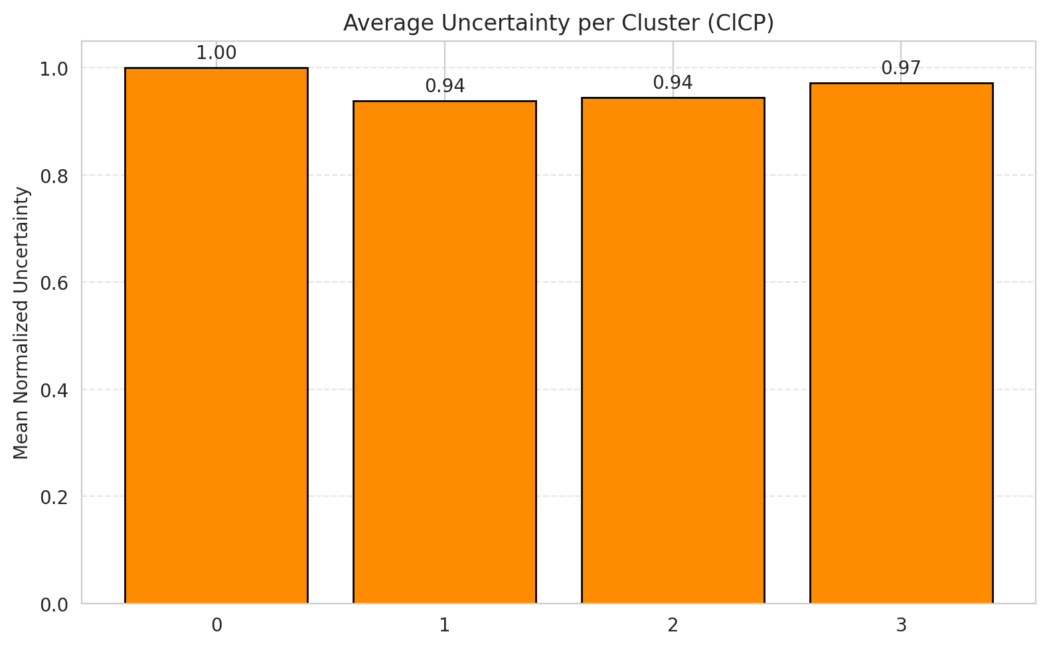
2 | 0.93162393162
3 | 0.86163522013
4 | 0.97142857143
5 | 0.94949494949
6 | 1

 |  |  |  |  |  |  |  |  | Avg Uncertainty per Class

RAPS_ViT
RAPS - ViT |  |  |  |  |  |  |  |  | Per-Class Coverage
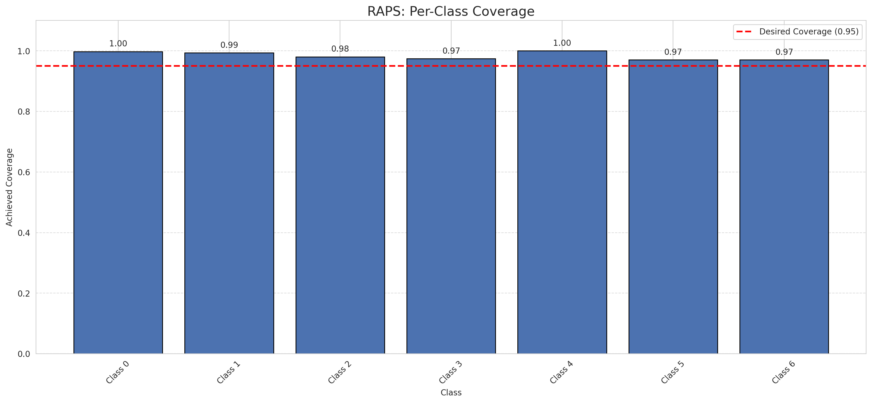
Summary
model_name | method | target_coverage | empirical_coverage | avg_set_size | median_set_size | singleton_rate | empty_set_rate | runtime_sec | alpha | lam | n_clusters | mean_per_class_coverage
ViT | RAPS | 0.95 | 0.99025522042 | 1 | 1 | 1 | 0 | 0.394885558 | 0.05 | 0.01 |  | 0.98384215049

Per-Class Coverage Values
class_id | class_coverage | support_count
0 | 0.99781181619 | 914
1 | 0.99339207048 | 454
2 | 0.98044692737 | 358
3 | 0.97435897436 | 156
4 | 1 | 104
5 | 0.9702970297 | 101
6 | 0.97058823529 | 68

RAPS Parameters
q_hat_raps | lambda | k_reg
0 | 0.01 | 1

Compare_Clustered
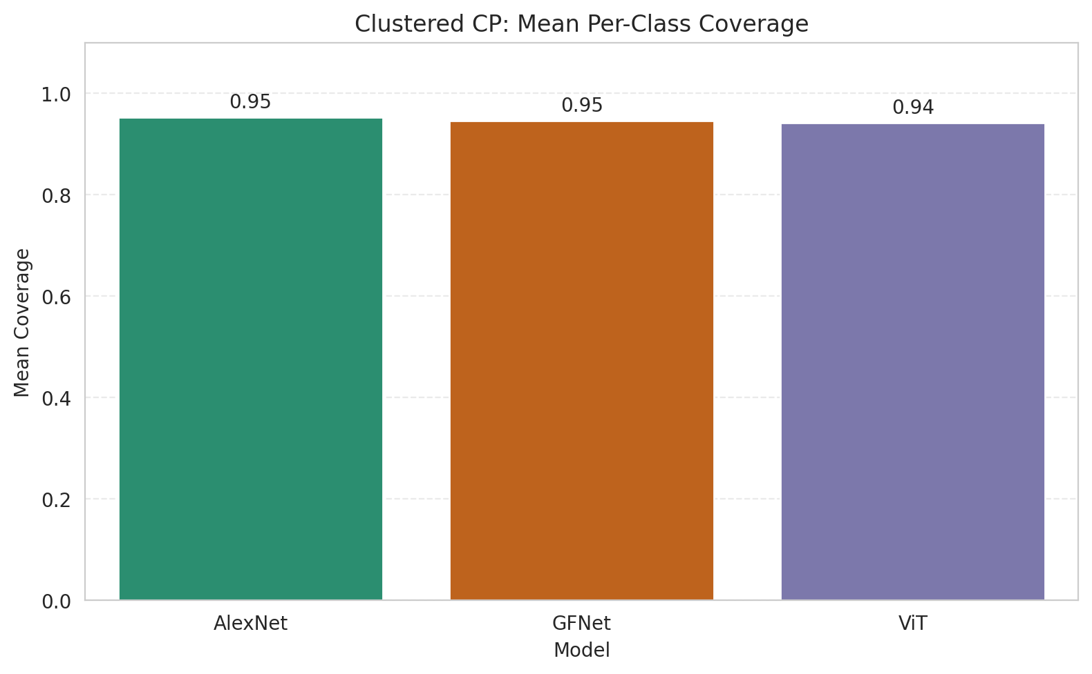
Clustered CP: 3-Model Comparison

model_name | method | target_coverage | empirical_coverage | avg_set_size | median_set_size | singleton_rate | empty_set_rate | model_name | mean_per_class_coverage | lam | n_clusters | mean_per_class_coverage
AlexNet | ClusteredConformal | 0.95 | 0.95777262181 | 0.95777262181 | 1 | 0.95777262181 | 0.04222737819 | AlexNet | 0.95230966916 |  | 4 | 0.95230966916
GFNet | ClusteredConformal | 0.95 | 0.95452436195 | 0.95452436195 | 1 | 0.95452436195 | 0.045475638051 | GFNet | 0.94563873645 |  | 4 | 0.94563873645
ViT | ClusteredConformal | 0.95 | 0.94199535963 | 0.94431554524 | 1 | 0.94431554524 | 0.055684454756 | ViT | 0.94216341143 |  | 4 | 0.94216341143

Grouped Metrics Comparison

Mean Per-Class Coverage Comparison

Compare_RAPS
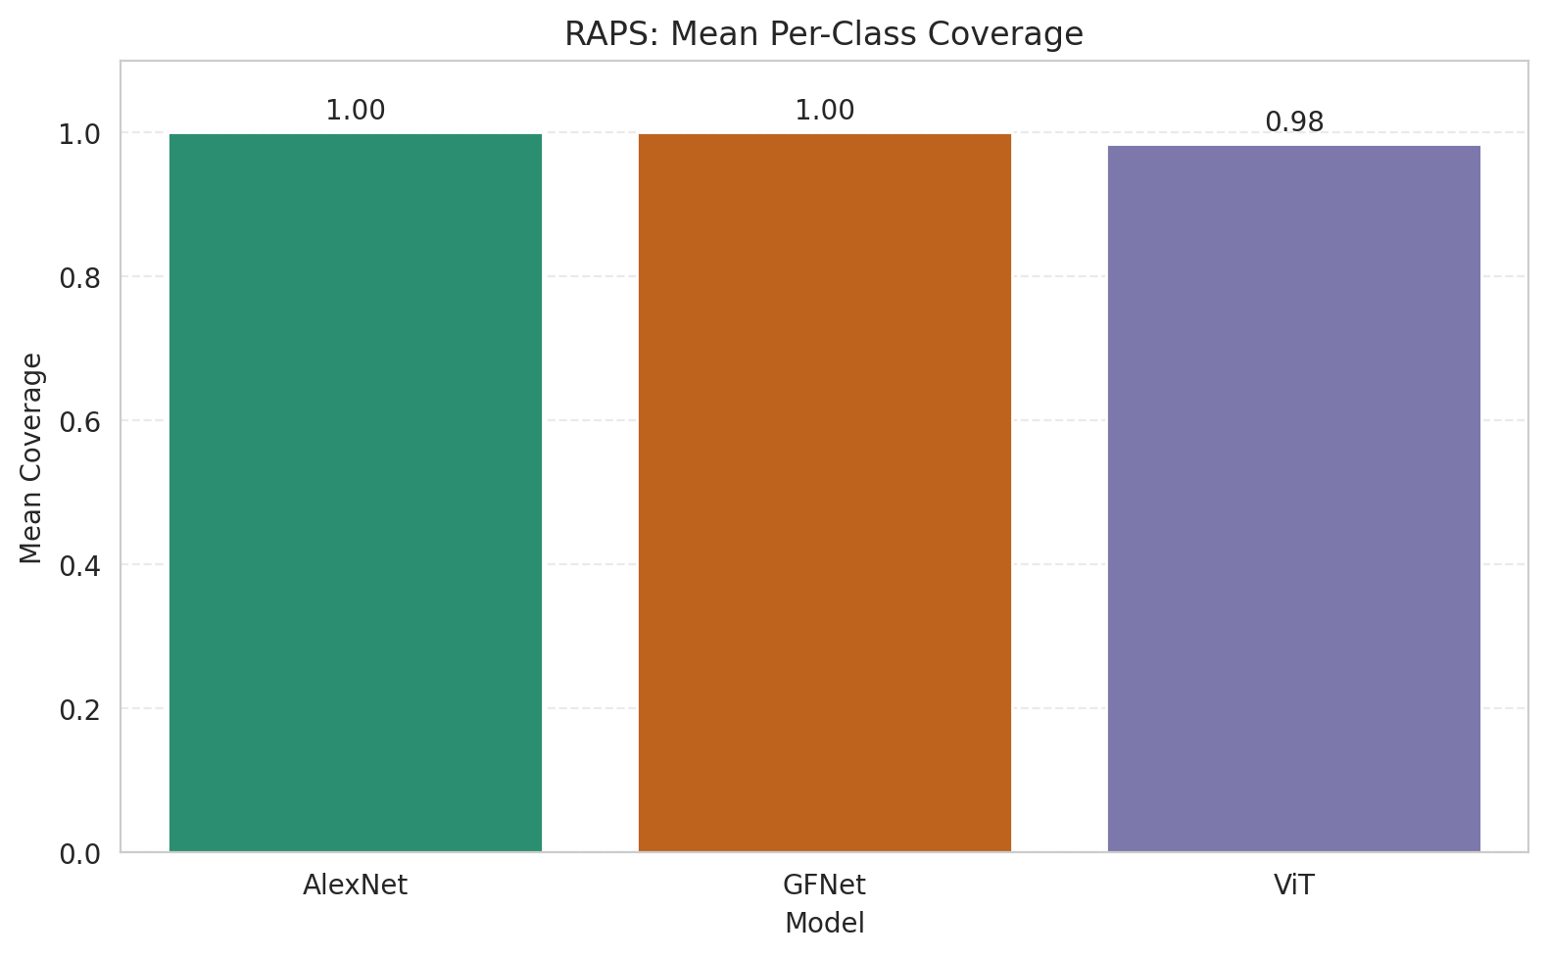
RAPS: 3-Model Comparison

model_name | method | target_coverage | empirical_coverage | avg_set_size | median_set_size | singleton_rate | empty_set_rate | model_name | mean_per_class_coverage | lam | n_clusters | mean_per_class_coverage
AlexNet | RAPS | 0.95 | 1 | 1 | 1 | 1 | 0 | AlexNet | 1 | 0.01 |  | 1
GFNet | RAPS | 0.95 | 1 | 1 | 1 | 1 | 0 | GFNet | 1 | 0.01 |  | 1
ViT | RAPS | 0.95 | 0.99025522042 | 1 | 1 | 1 | 0 | ViT | 0.98384215049 | 0.01 |  | 0.98384215049

Grouped Metrics Comparison

Mean Per-Class Coverage Comparison

