Split_AlexNet
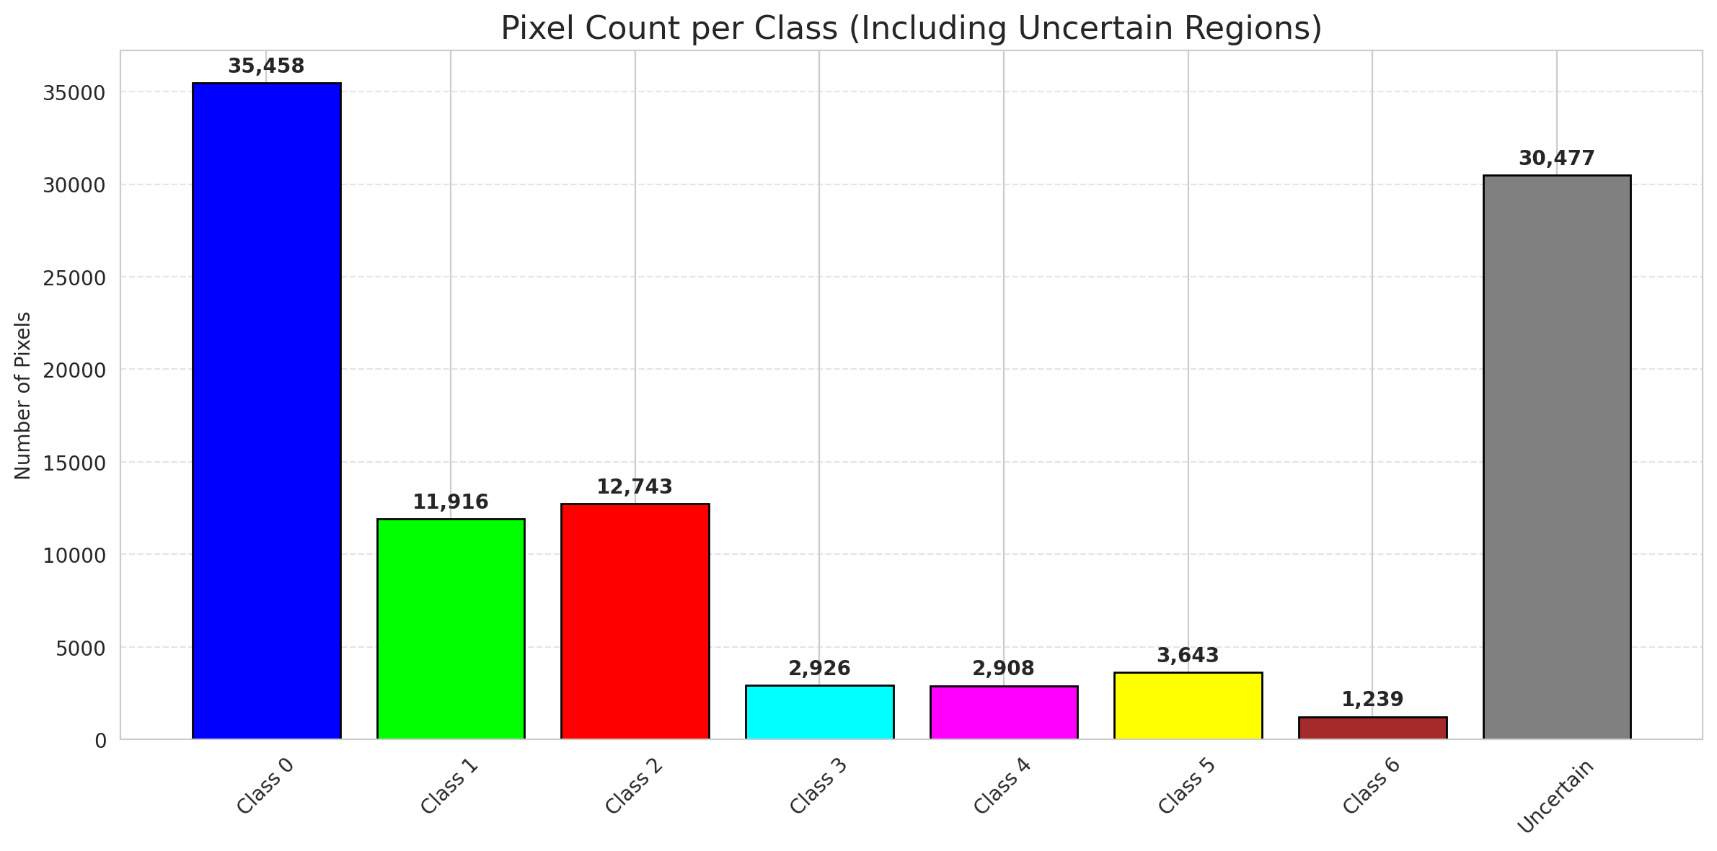
SplitConformal - AlexNet |  |  |  |  |  |  |  |  | Per-Class Coverage
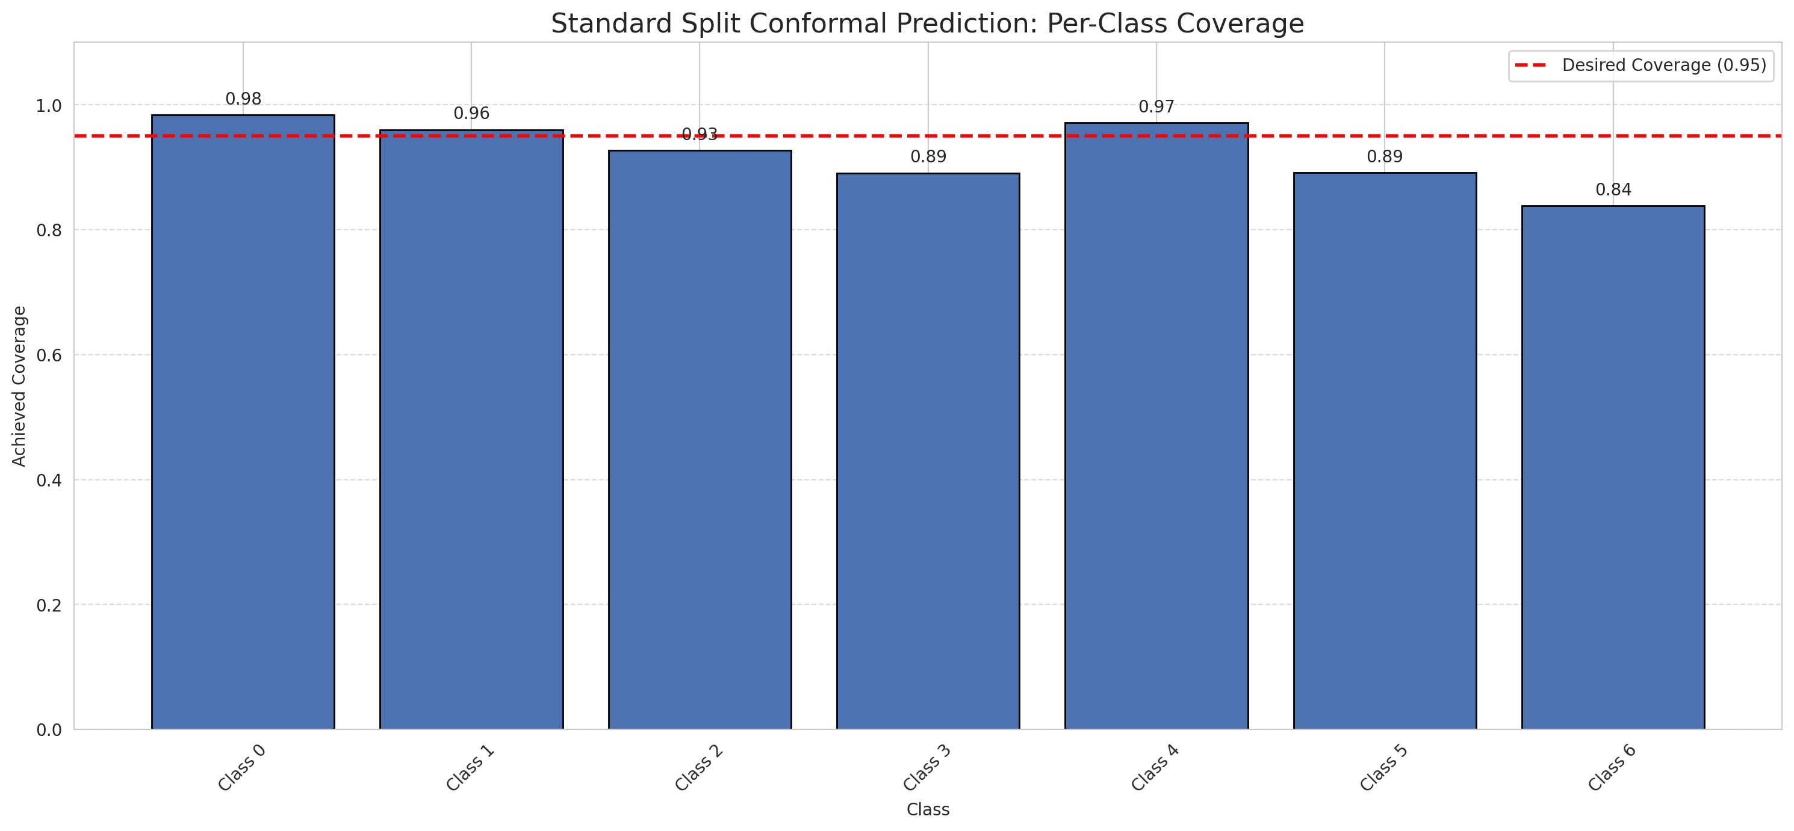
Summary
model_name | method | target_coverage | empirical_coverage | avg_set_size | median_set_size | singleton_rate | empty_set_rate | runtime_sec | alpha | lam | n_clusters | mean_per_class_coverage
AlexNet | SplitConformal | 0.95 | 0.95313225058 | 0.95313225058 | 1 | 0.95313225058 | 0.04686774942 | 1.653763653 | 0.05 |  |  | 0.92325989089

Per-Class Coverage Values
class_id | class_coverage | support_count
0 | 0.98358862144 | 914
1 | 0.96035242291 | 454
2 | 0.92737430168 | 358
3 | 0.89102564103 | 156
4 | 0.97115384615 | 104
5 | 0.89108910891 | 101
6 | 0.83823529412 | 68

Pixel Counts
class_id | label | pixel_count
0 | Class 0 | 35458
1 | Class 1 | 11916
2 | Class 2 | 12743
3 | Class 3 | 2926
4 | Class 4 | 2908 |  |  |  |  |  |  | Certain vs Uncertain Map
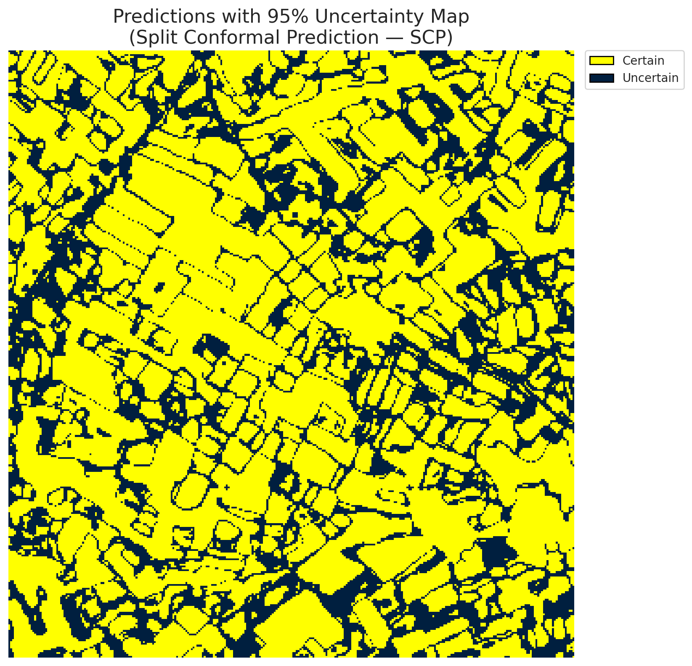
5 | Class 5 | 3643
6 | Class 6 | 1239
7 | Uncertain | 30477

Threshold
q_hat_split
0.00013255056935

 |  |  |  |  |  |  |  |  | Class Map with Uncertain Mask
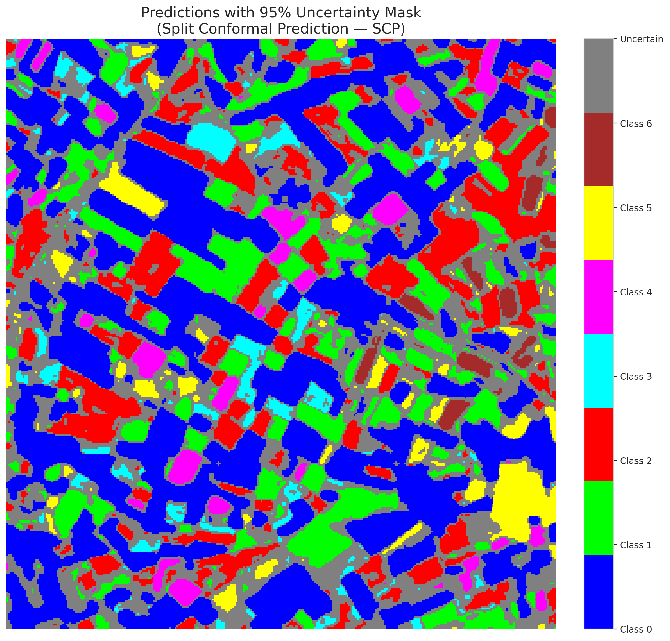

 |  |  |  |  |  |  |  |  | Pixel Counts

ClassCond_AlexNet
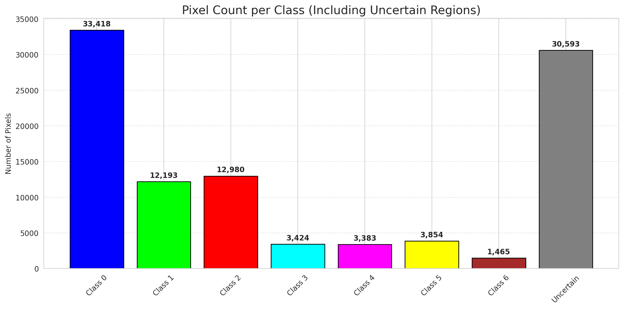
ClassConditionalConformal - AlexNet |  |  |  |  |  |  |  |  | Per-Class Coverage
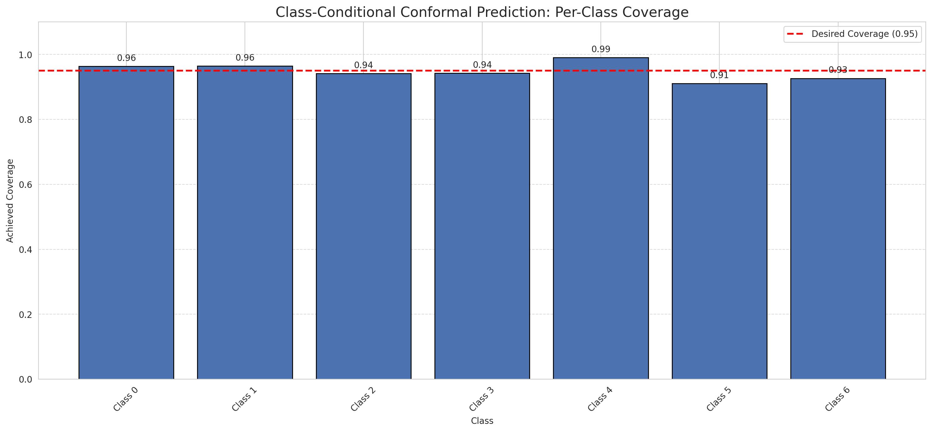
Summary
model_name | method | target_coverage | empirical_coverage | avg_set_size | median_set_size | singleton_rate | empty_set_rate | runtime_sec | alpha | lam | n_clusters | mean_per_class_coverage
AlexNet | ClassConditionalConformal | 0.95 | 0.95638051044 | 0.95638051044 | 1 | 0.95638051044 | 0.043619489559 | 1.854979577 | 0.05 |  |  | 0.94857820623

Per-Class Coverage Values
class_id | class_coverage | support_count
0 | 0.96389496718 | 914
1 | 0.96475770925 | 454
2 | 0.94134078212 | 358
3 | 0.94230769231 | 156
4 | 0.99038461538 | 104
5 | 0.91089108911 | 101
6 | 0.92647058824 | 68

Pixel Counts
class_id | label | pixel_count
0 | Class 0 | 33418
1 | Class 1 | 12193
2 | Class 2 | 12980
3 | Class 3 | 3424
4 | Class 4 | 3383 |  |  |  |  |  |  | Certain vs Uncertain Map
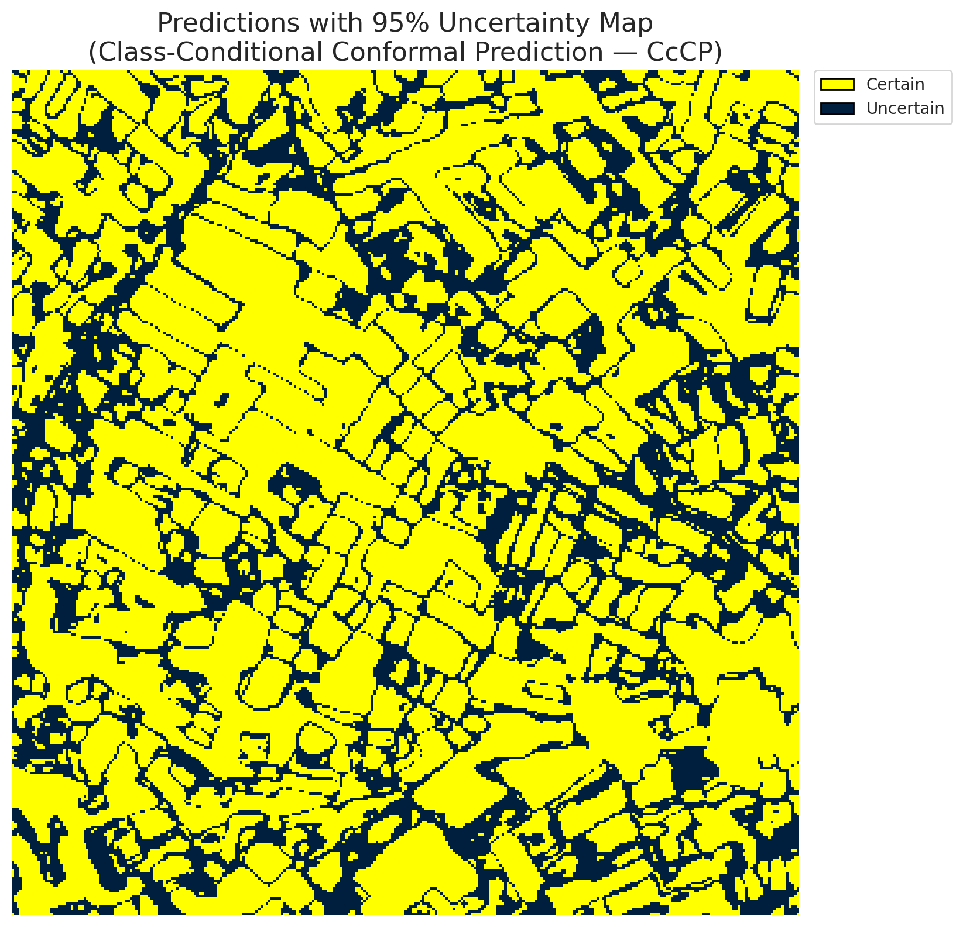
5 | Class 5 | 3854
6 | Class 6 | 1465
7 | Uncertain | 30593

Classwise q_hat
class_id | q_hat_classconditional
0 | 9.418305483E-06
1 | 0.00019425664449
2 | 0.00018678714783
3 | 0.00051199497298
4 | 0.0019150925856
5 | 0.00027436987435
6 | 0.00078062510073

 |  |  |  |  |  |  |  |  | Class Map with Uncertain Mask
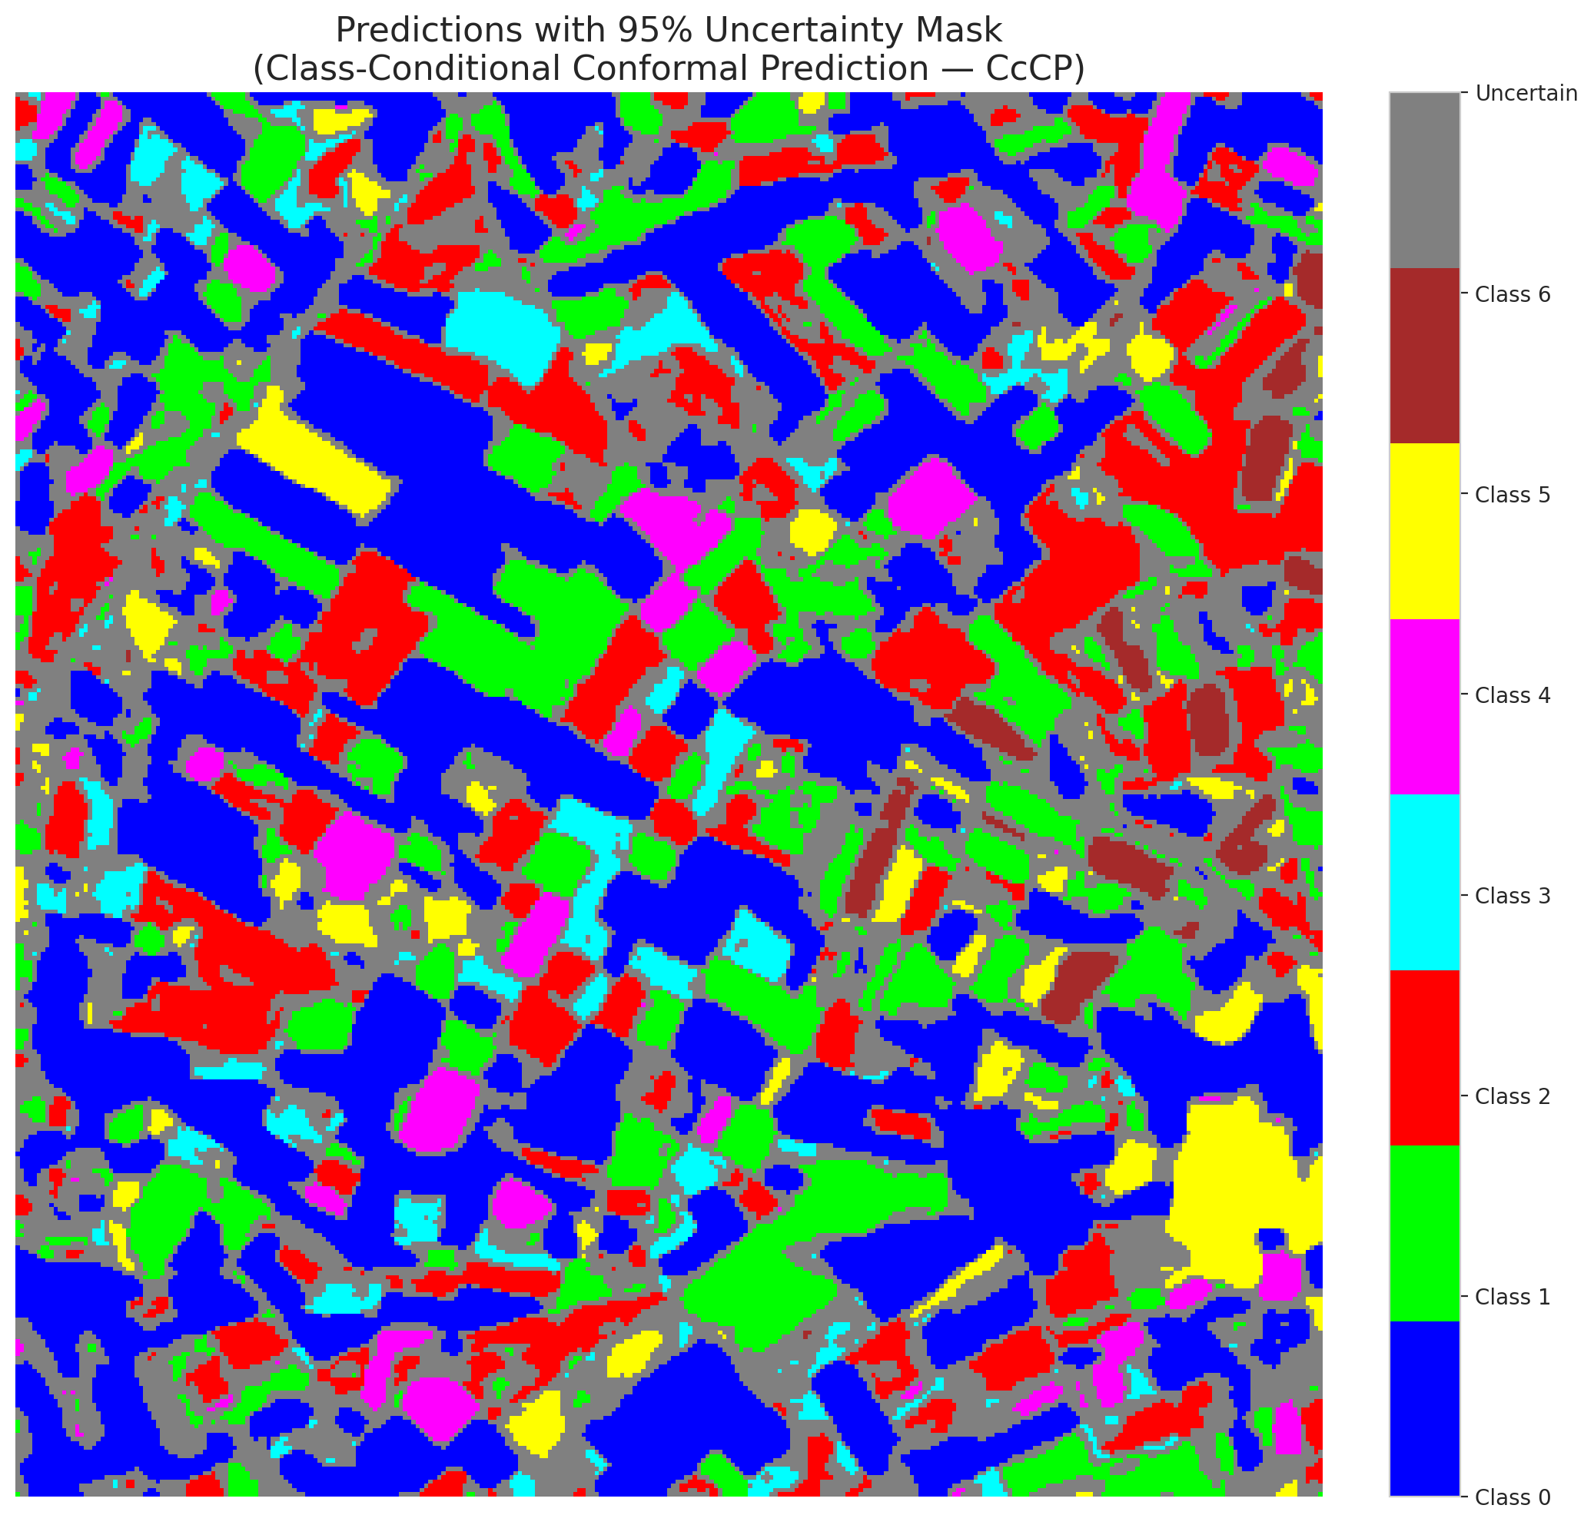

 |  |  |  |  |  |  |  |  | Pixel Counts

RC3P_AlexNet
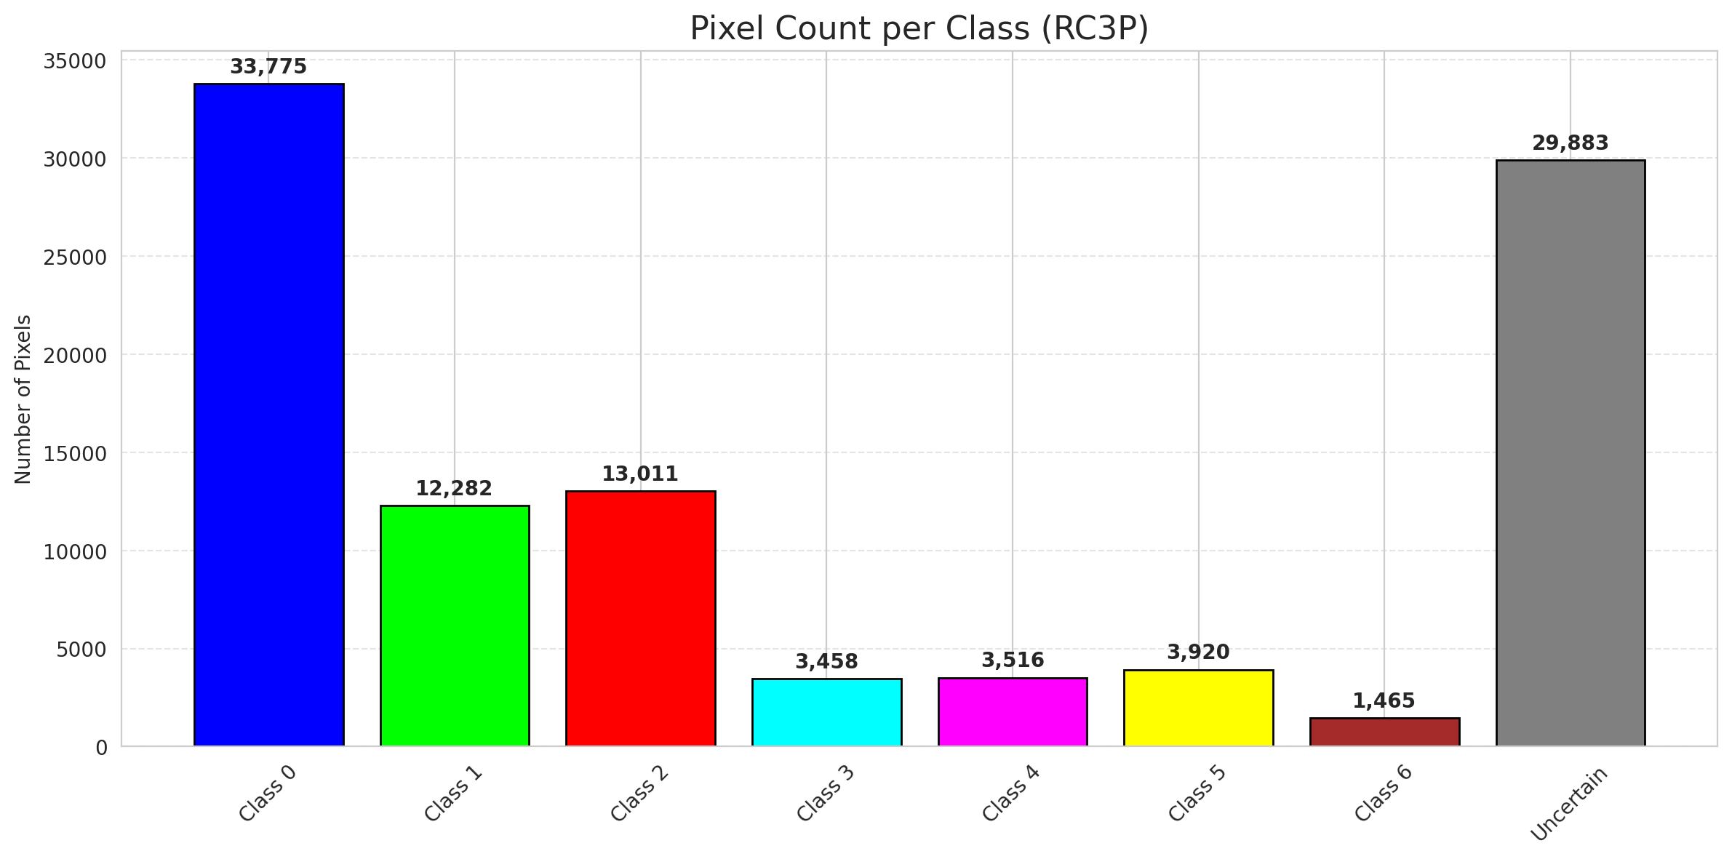
RC3P - AlexNet |  |  |  |  |  |  |  |  | Per-Class Coverage
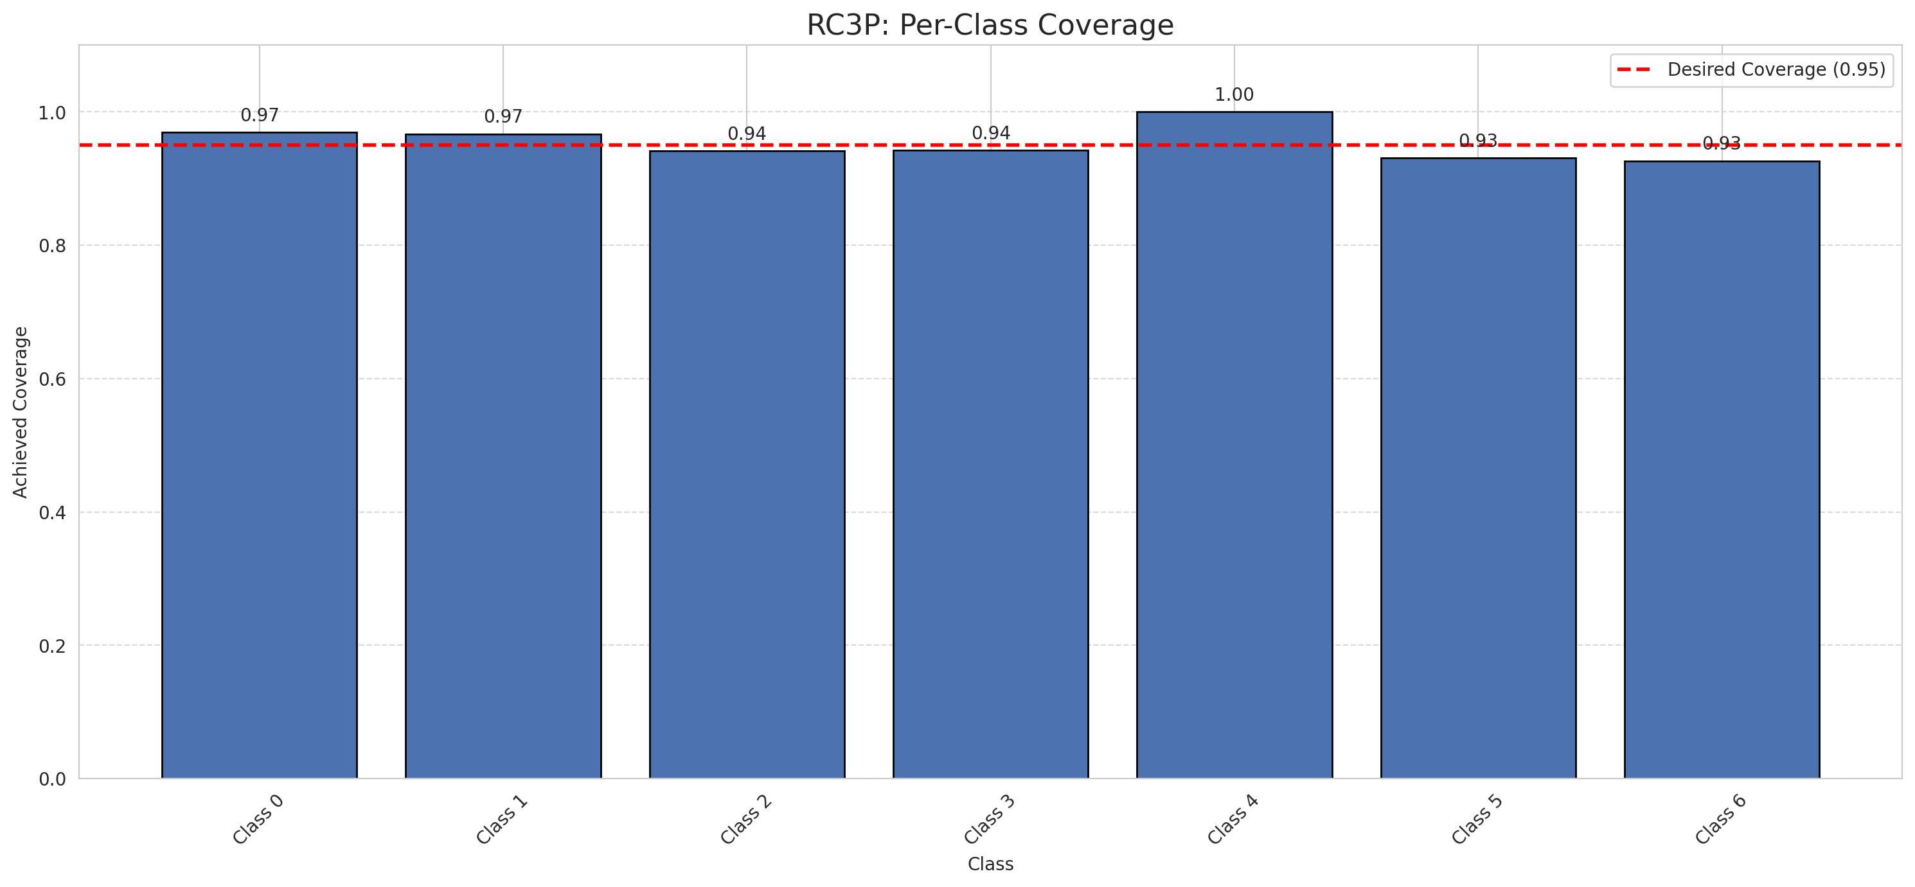
Summary
model_name | method | target_coverage | empirical_coverage | avg_set_size | median_set_size | singleton_rate | empty_set_rate | runtime_sec | alpha | lam | n_clusters | mean_per_class_coverage
AlexNet | RC3P | 0.95 | 0.96055684455 | 0.96055684455 | 1 | 0.96055684455 | 0.039443155452 | 2.366022923 | 0.05 |  |  | 0.95387684444

Per-Class Coverage Values
class_id | class_coverage | support_count
0 | 0.9693654267 | 914
1 | 0.96696035242 | 454
2 | 0.94134078212 | 358
3 | 0.94230769231 | 156
4 | 1 | 104
5 | 0.93069306931 | 101
6 | 0.92647058824 | 68

Pixel Counts
class_id | label | pixel_count
0 | Class 0 | 33775
1 | Class 1 | 12282
2 | Class 2 | 13011
3 | Class 3 | 3458
4 | Class 4 | 3516 |  |  |  |  |  |  | Certain vs Uncertain Map
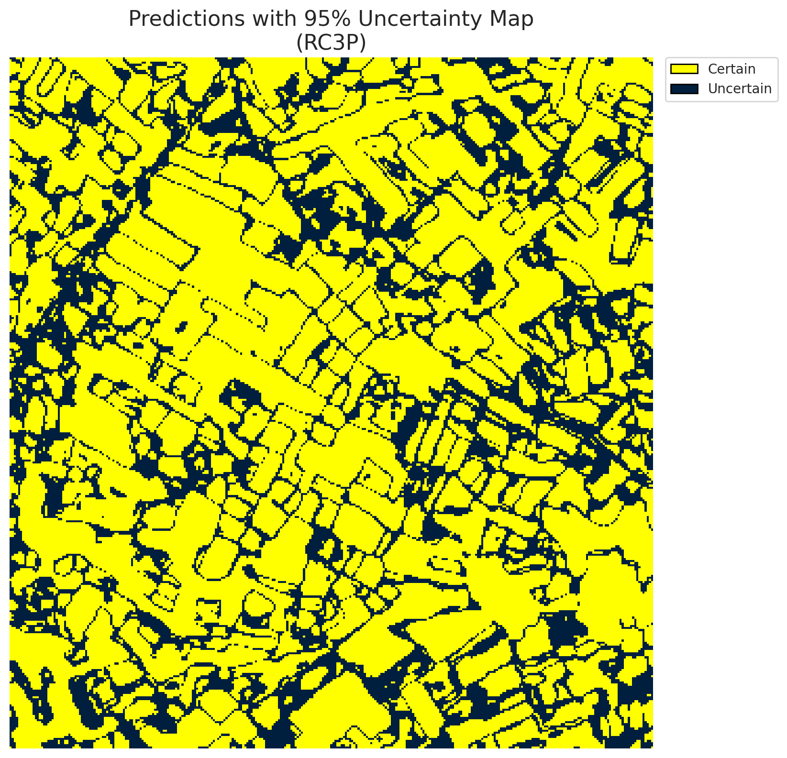
5 | Class 5 | 3920
6 | Class 6 | 1465
7 | Uncertain | 29883

RC3P Thresholds & Limits
class_id | q_hat_rc3p | suit_index_limit
0 | 1.4471480032E-05 | 1
1 | 0.00022112321146 | 1
2 | 0.00019265803599 | 1
3 | 0.00055580591326 | 1
4 | 0.0044859043861 | 1
5 | 0.00032965135739 | 1
6 | 0.00078062510073 | 1

 |  |  |  |  |  |  |  |  | Class Map with Uncertain Mask


 |  |  |  |  |  |  |  |  | Pixel Counts

Clustered_AlexNet
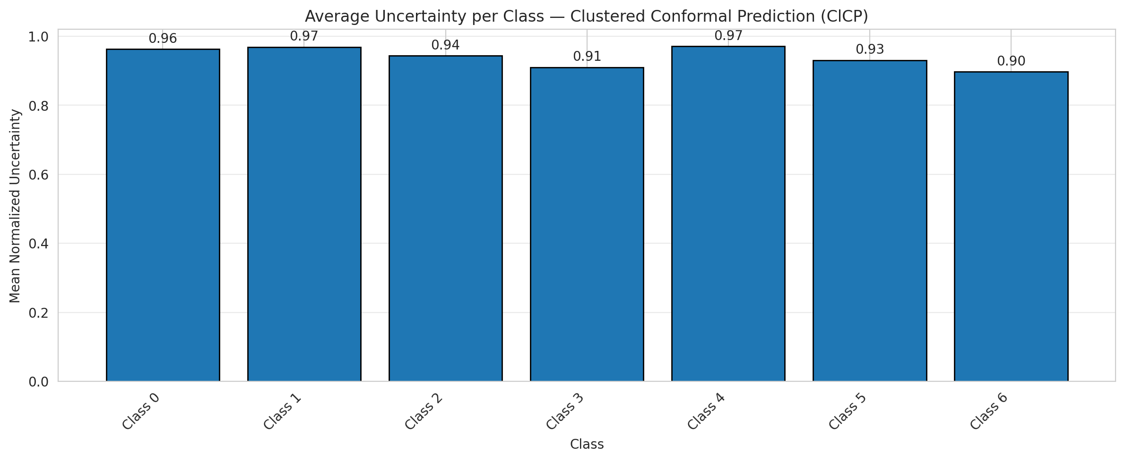
ClusteredConformal - AlexNet |  |  |  |  |  |  |  |  | Per-Class Coverage
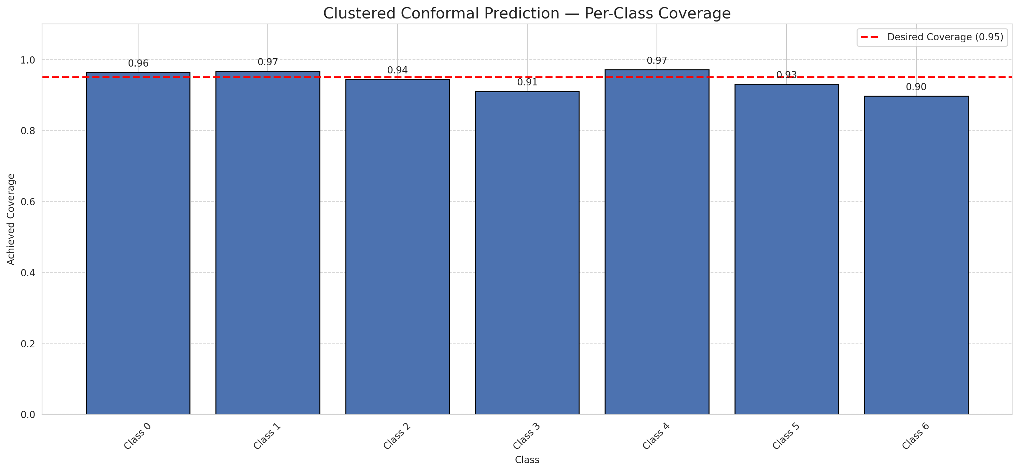
Summary
model_name | method | target_coverage | empirical_coverage | avg_set_size | median_set_size | singleton_rate | empty_set_rate | runtime_sec | alpha | lam | n_clusters | mean_per_class_coverage
AlexNet | ClusteredConformal | 0.95 | 0.95406032483 | 0.95406032483 | 1 | 0.95406032483 | 0.045939675174 | 2.652665732 | 0.05 |  | 4 | 0.94059307815

Per-Class Coverage Values
class_id | class_coverage | support_count
0 | 0.96389496718 | 914
1 | 0.96696035242 | 454
2 | 0.94413407821 | 358
3 | 0.91025641026 | 156
4 | 0.97115384615 | 104
5 | 0.93069306931 | 101
6 | 0.89705882353 | 68

Class-to-Cluster Assignment
class_id | cluster_id
0 | 2
1 | 3
2 | 0
3 | 0
4 | 3 |  |  |  |  |  |  |  | Uncertainty Distribution
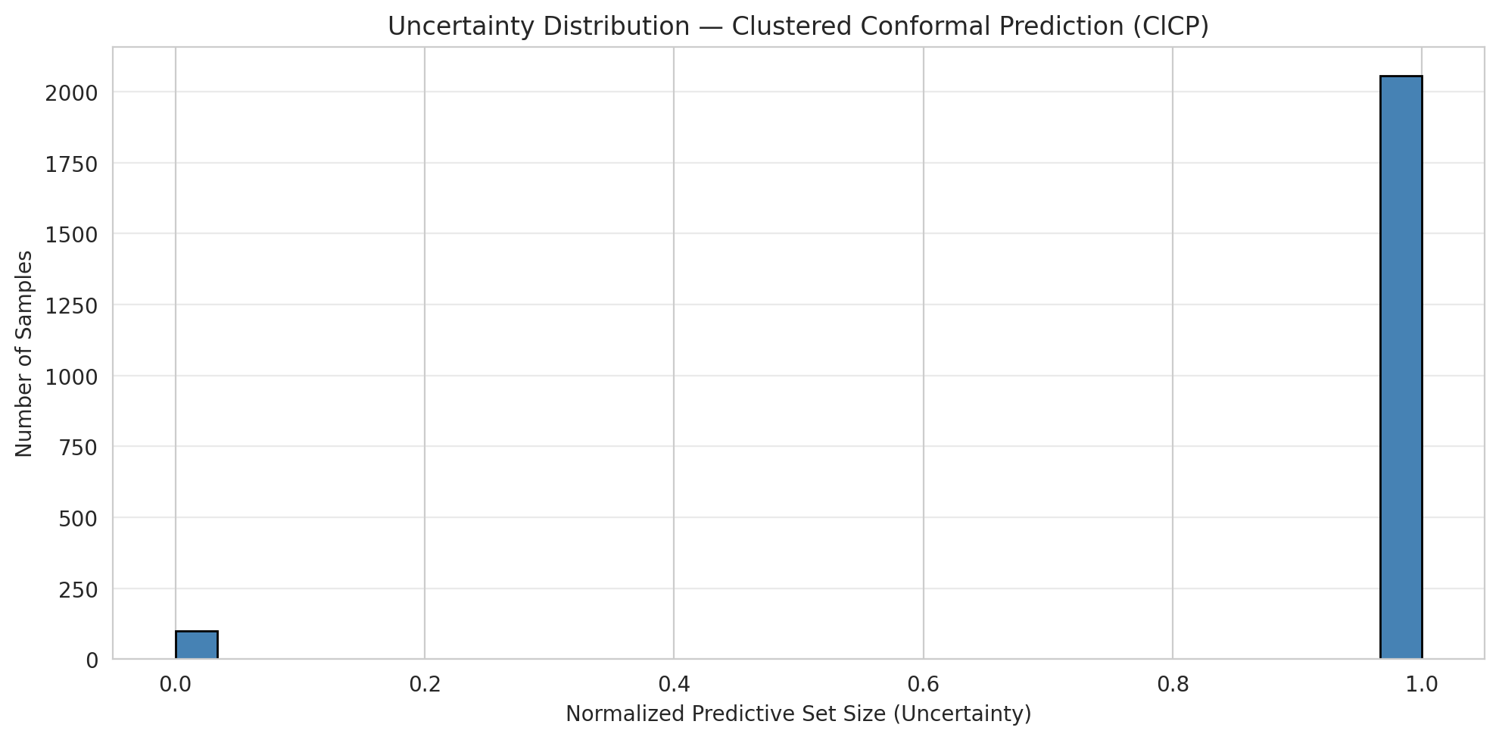
5 | 1
6 | 1

Cluster q_hat
cluster_id | q_hat_cluster
0 | 0.00022246885398
1 | 0.00032965135739
2 | 9.418305483E-06
3 | 0.00022112321146

Cluster Mean Uncertainty
cluster | uncertainty
0 | 0.93385214008
1 | 0.91715976331
2 | 0.96284153005
3 | 0.96947935368

Class Mean Uncertainty
class_id | uncertainty
0 | 0.96284153005
1 | 0.96909492274 |  |  |  |  |  |  |  | Avg Uncertainty per Cluster
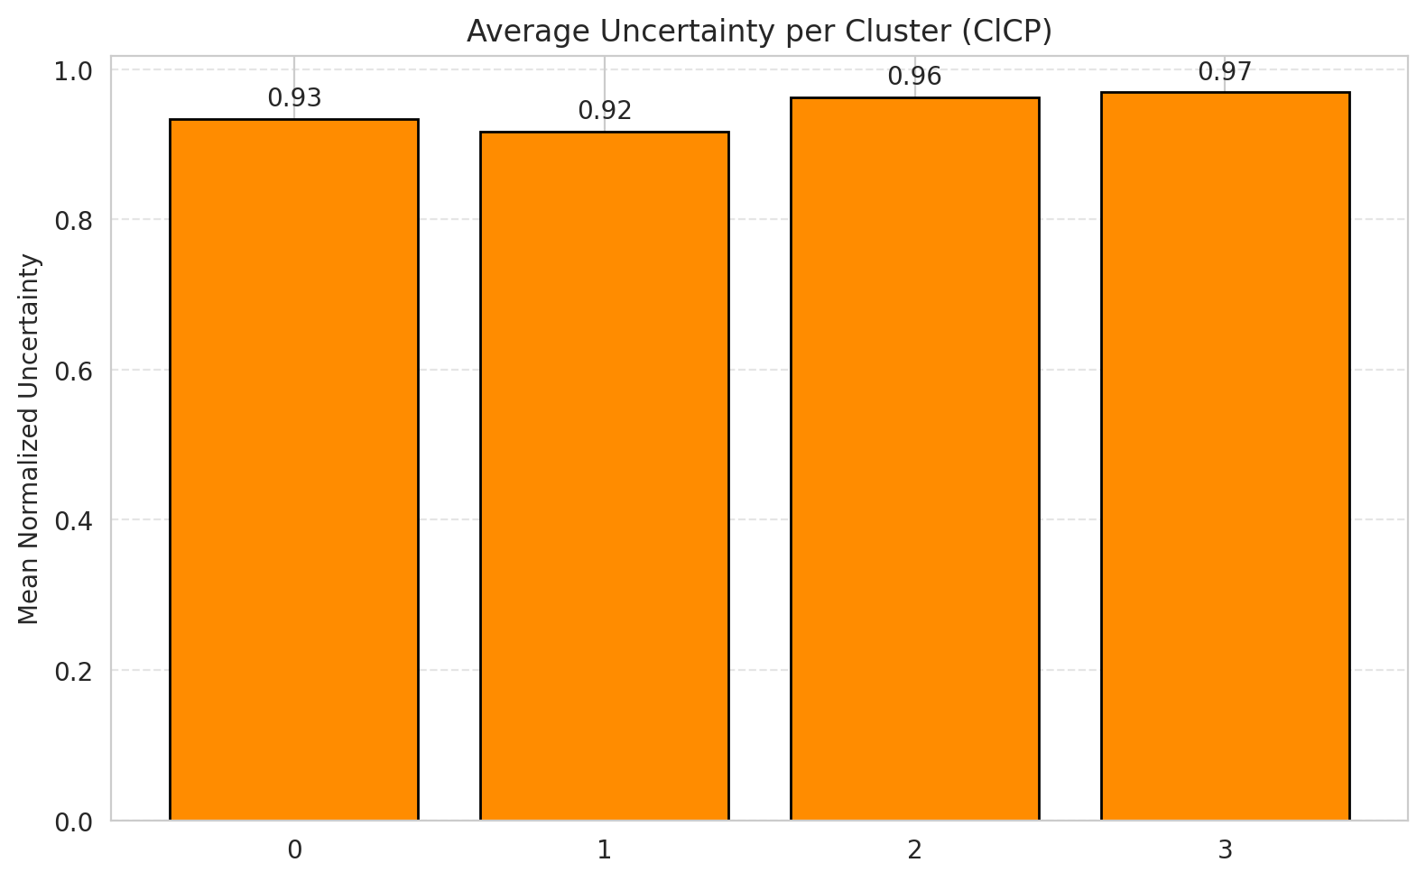
2 | 0.94413407821
3 | 0.91025641026
4 | 0.97115384615
5 | 0.93069306931
6 | 0.89705882353

 |  |  |  |  |  |  |  |  | Avg Uncertainty per Class

RAPS_AlexNet
RAPS - AlexNet |  |  |  |  |  |  |  |  | Per-Class Coverage
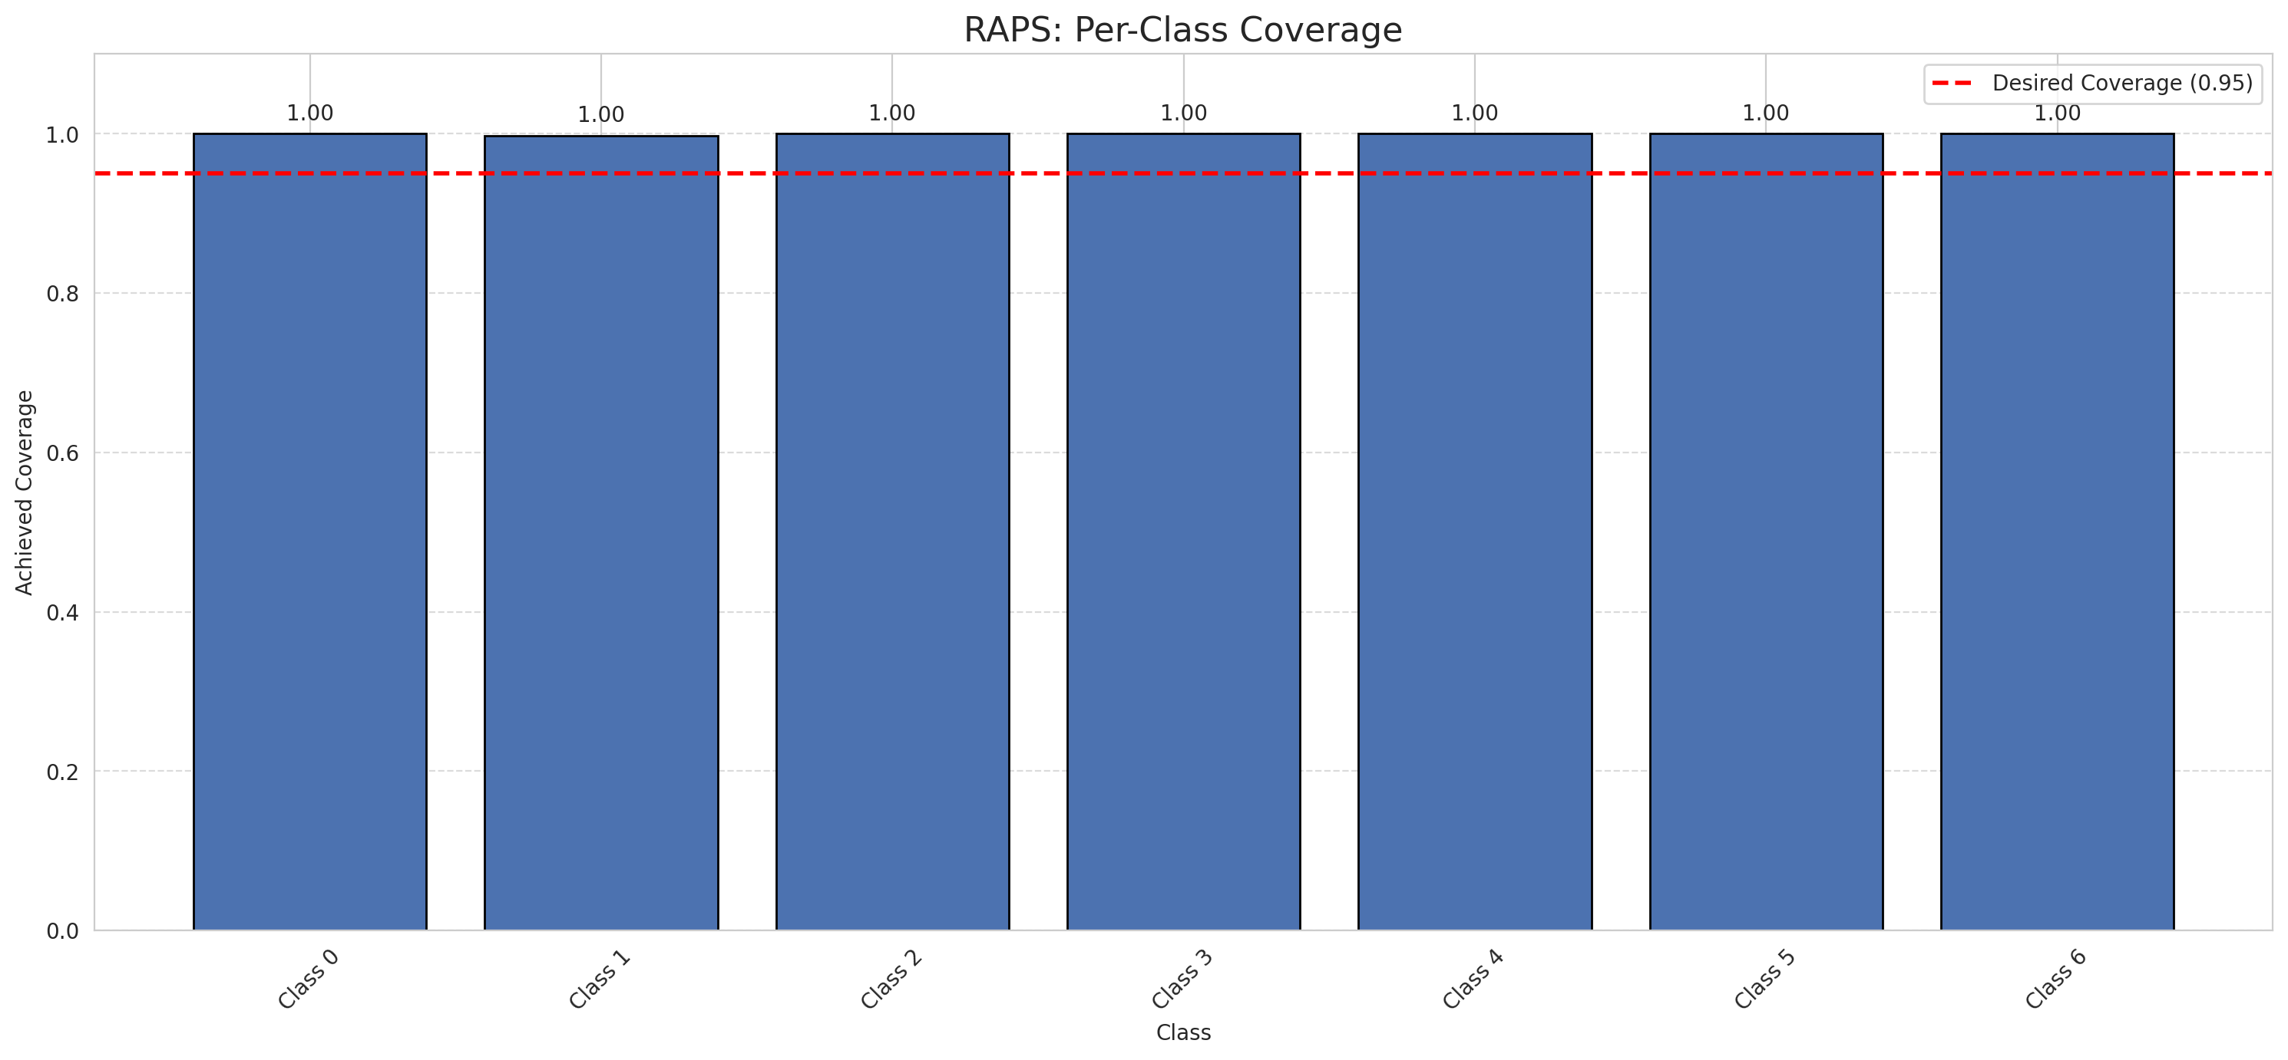
Summary
model_name | method | target_coverage | empirical_coverage | avg_set_size | median_set_size | singleton_rate | empty_set_rate | runtime_sec | alpha | lam | n_clusters | mean_per_class_coverage
AlexNet | RAPS | 0.95 | 0.99953596288 | 1 | 1 | 1 | 0 | 0.407062305 | 0.05 | 0.01 |  | 0.99968533669

Per-Class Coverage Values
class_id | class_coverage | support_count
0 | 1 | 914
1 | 0.99779735683 | 454
2 | 1 | 358
3 | 1 | 156
4 | 1 | 104
5 | 1 | 101
6 | 1 | 68

RAPS Parameters
q_hat_raps | lambda | k_reg
0 | 0.01 | 1

Split_GFNet
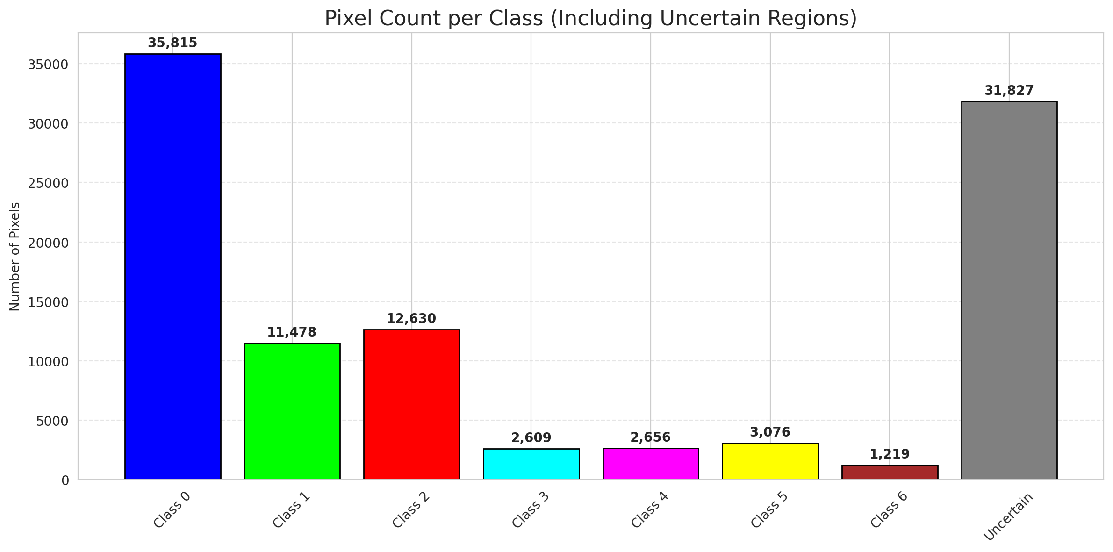
SplitConformal - GFNet |  |  |  |  |  |  |  |  | Per-Class Coverage
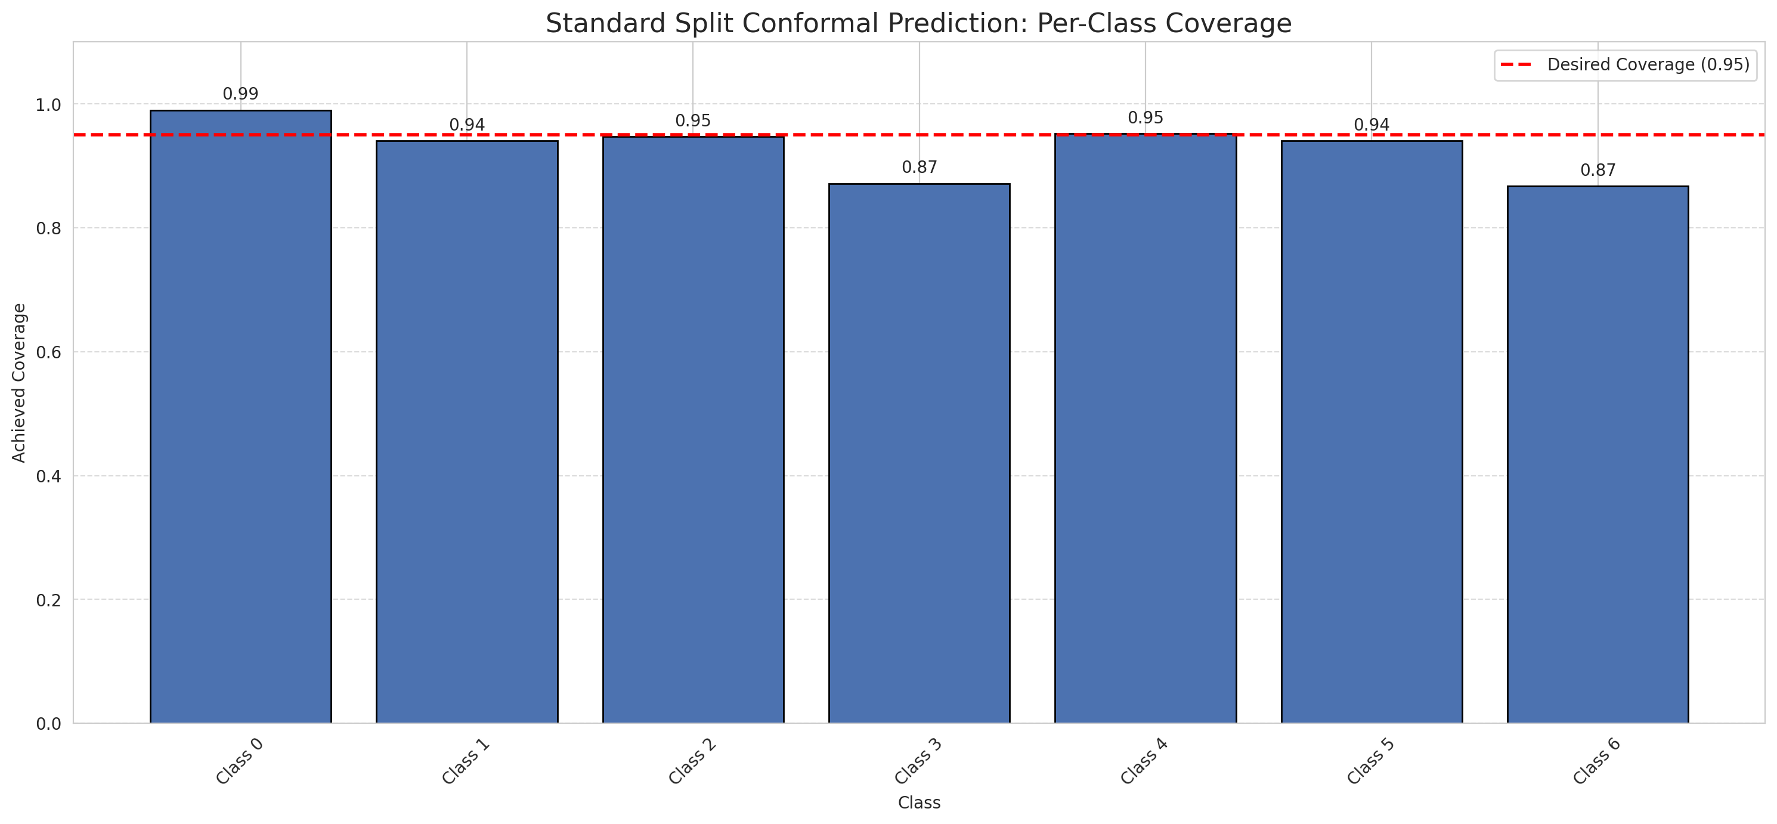
Summary
model_name | method | target_coverage | empirical_coverage | avg_set_size | median_set_size | singleton_rate | empty_set_rate | runtime_sec | alpha | lam | n_clusters | mean_per_class_coverage
GFNet | SplitConformal | 0.95 | 0.95591647332 | 0.95591647332 | 1 | 0.95591647332 | 0.044083526682 | 1.614386709 | 0.05 |  |  | 0.92993832121

Per-Class Coverage Values
class_id | class_coverage | support_count
0 | 0.99015317287 | 914
1 | 0.94052863436 | 454
2 | 0.9469273743 | 358
3 | 0.87179487179 | 156
4 | 0.95192307692 | 104
5 | 0.94059405941 | 101
6 | 0.86764705882 | 68

Pixel Counts
class_id | label | pixel_count
0 | Class 0 | 35815
1 | Class 1 | 11478
2 | Class 2 | 12630
3 | Class 3 | 2609
4 | Class 4 | 2656 |  |  |  |  |  |  | Certain vs Uncertain Map
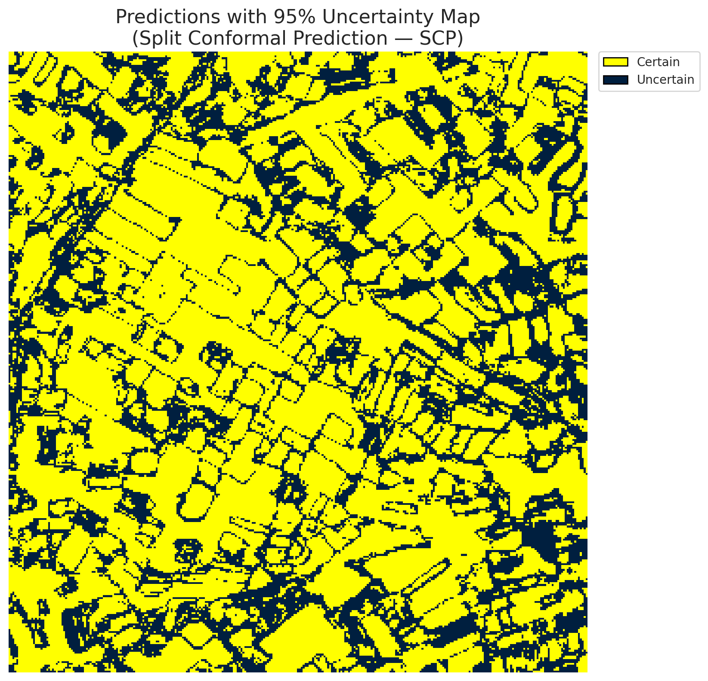
5 | Class 5 | 3076
6 | Class 6 | 1219
7 | Uncertain | 31827

Threshold
q_hat_split
0.00011716115522

 |  |  |  |  |  |  |  |  | Class Map with Uncertain Mask
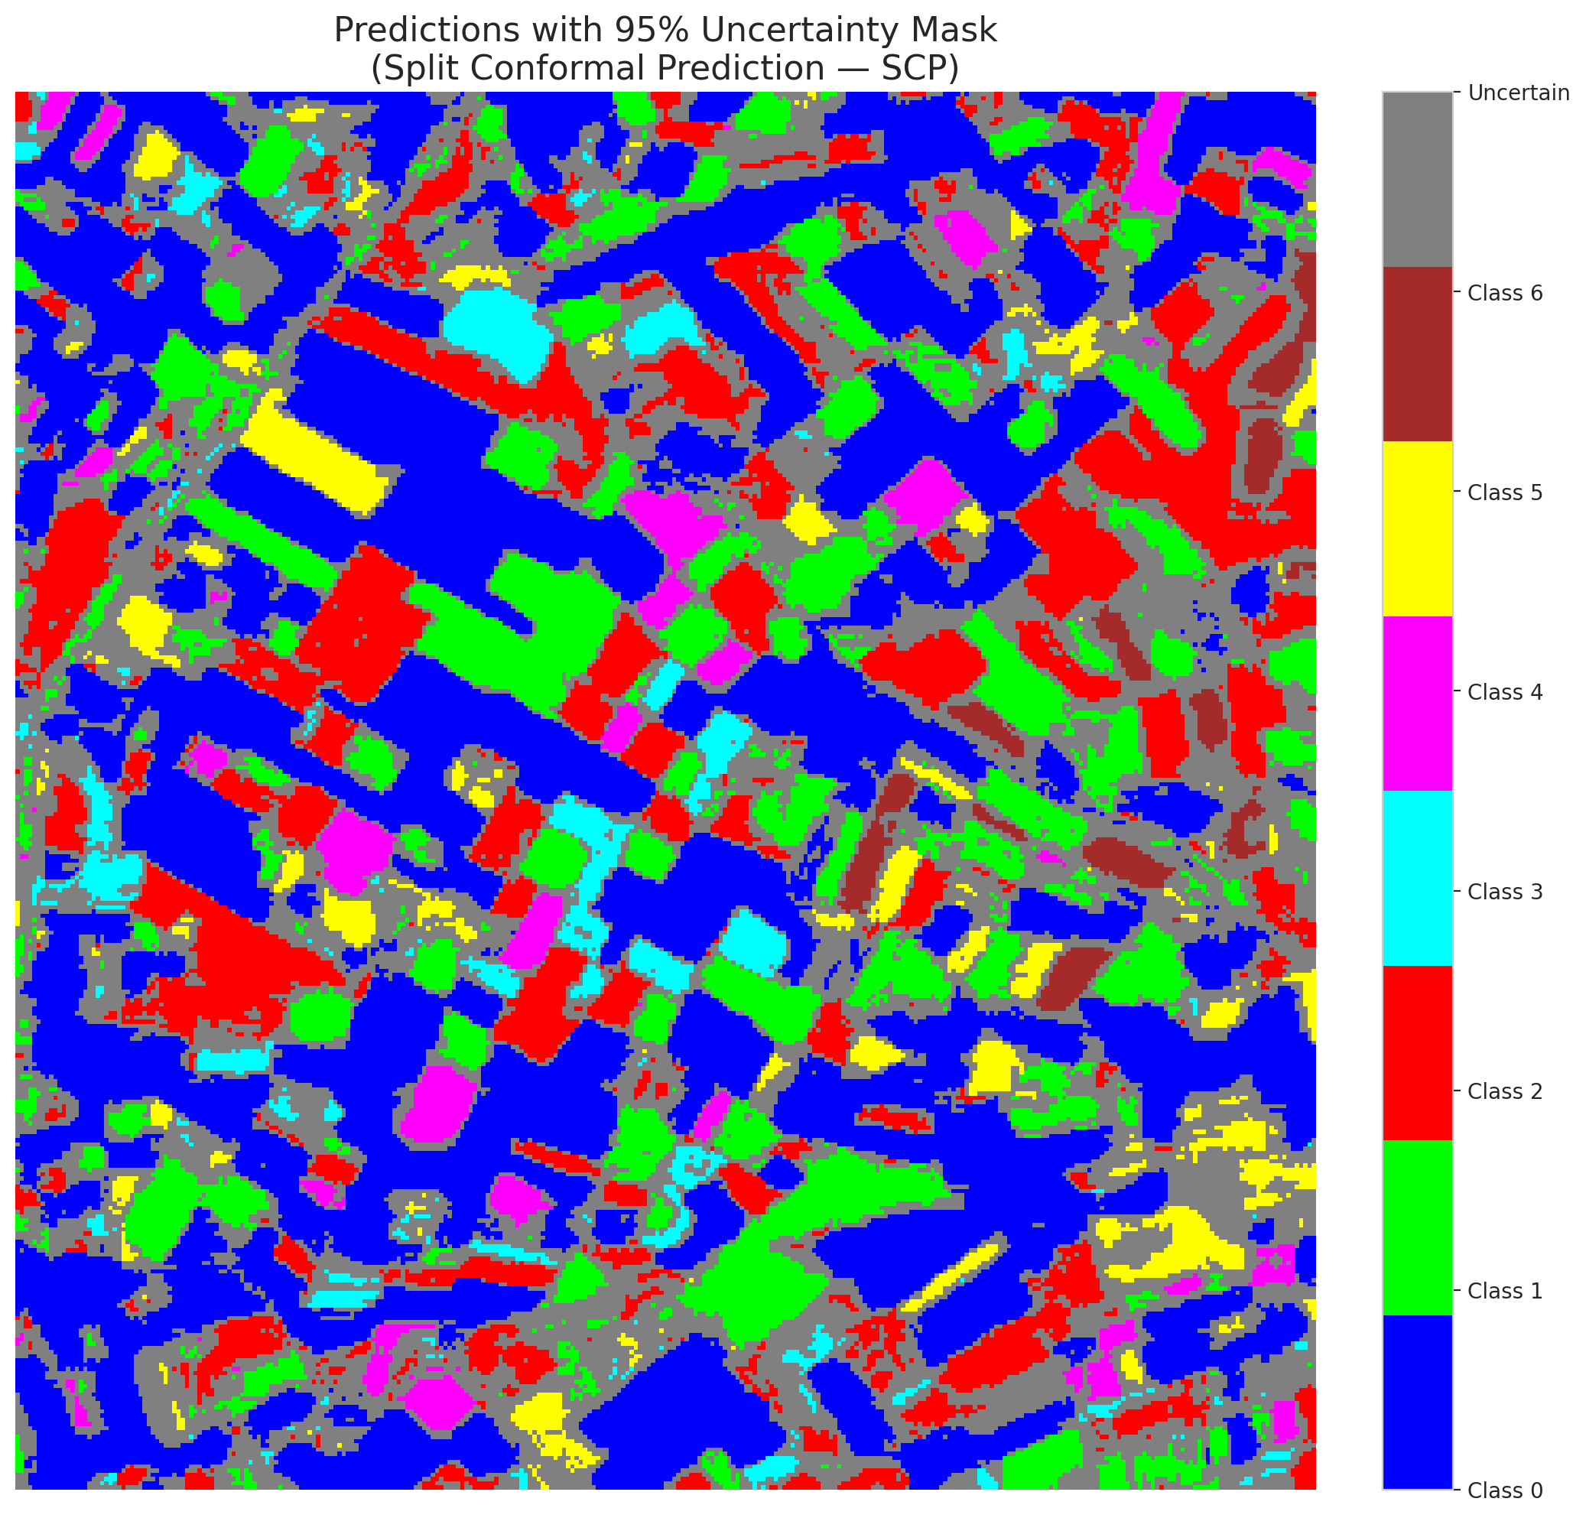

 |  |  |  |  |  |  |  |  | Pixel Counts

ClassCond_GFNet
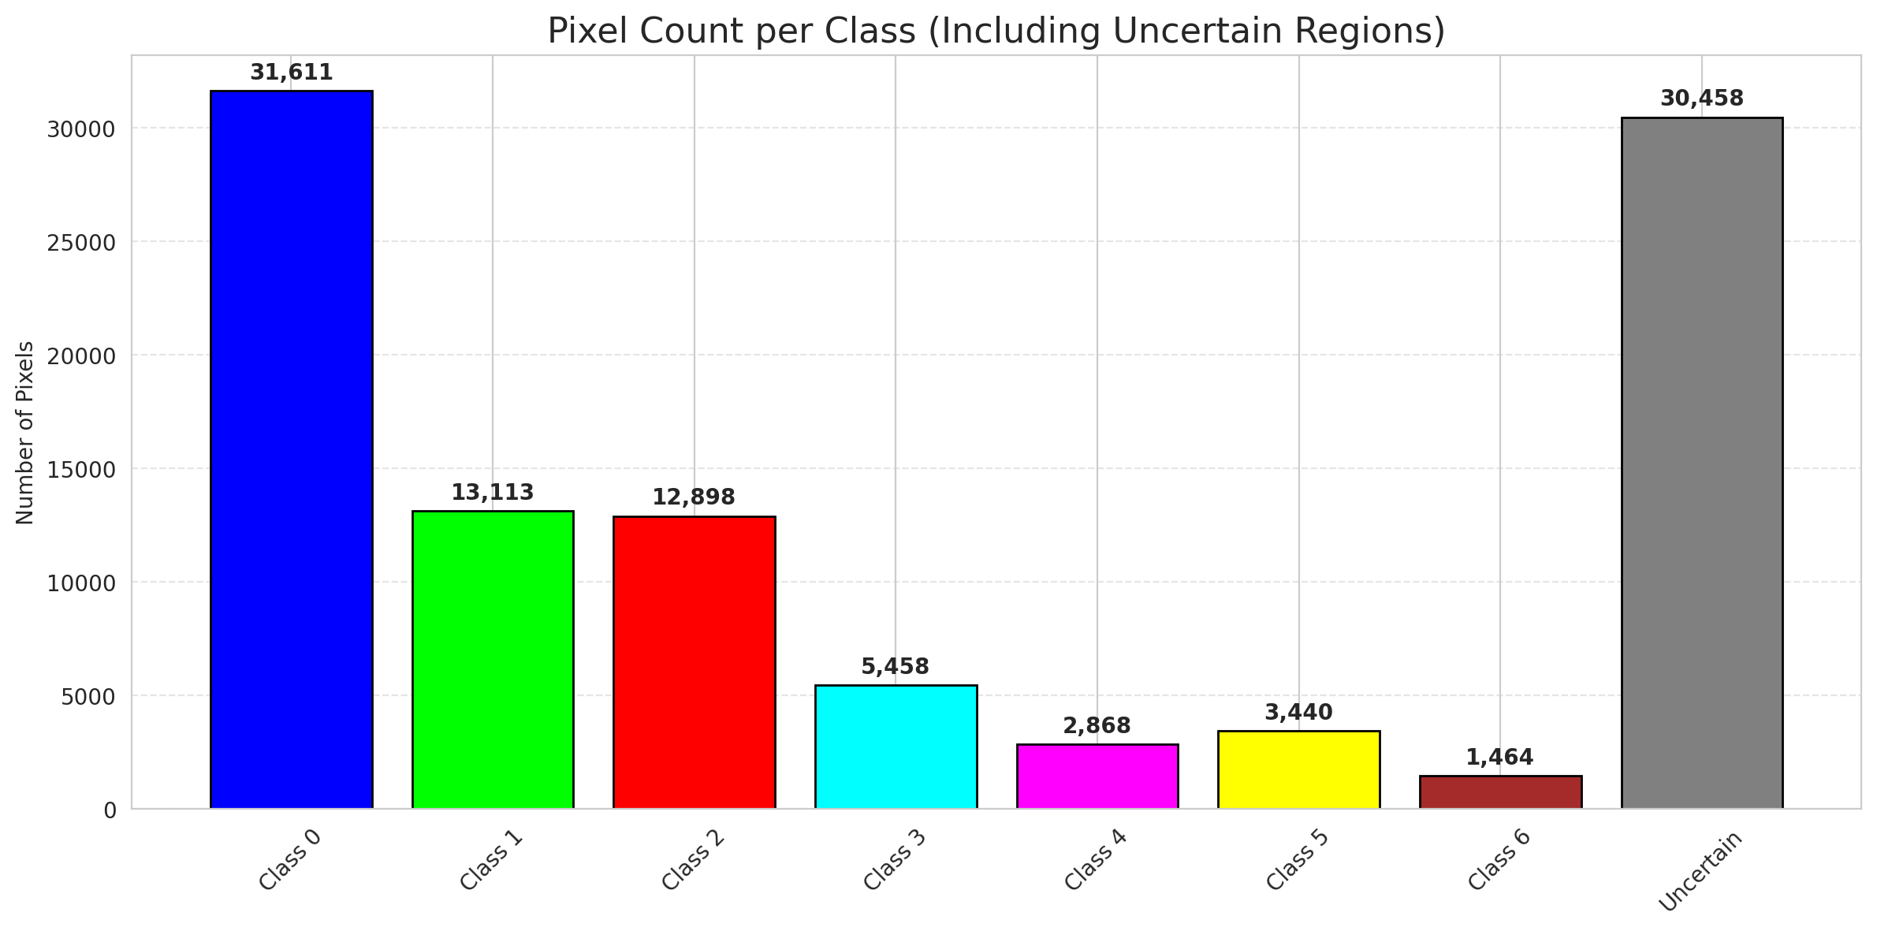
ClassConditionalConformal - GFNet |  |  |  |  |  |  |  |  | Per-Class Coverage
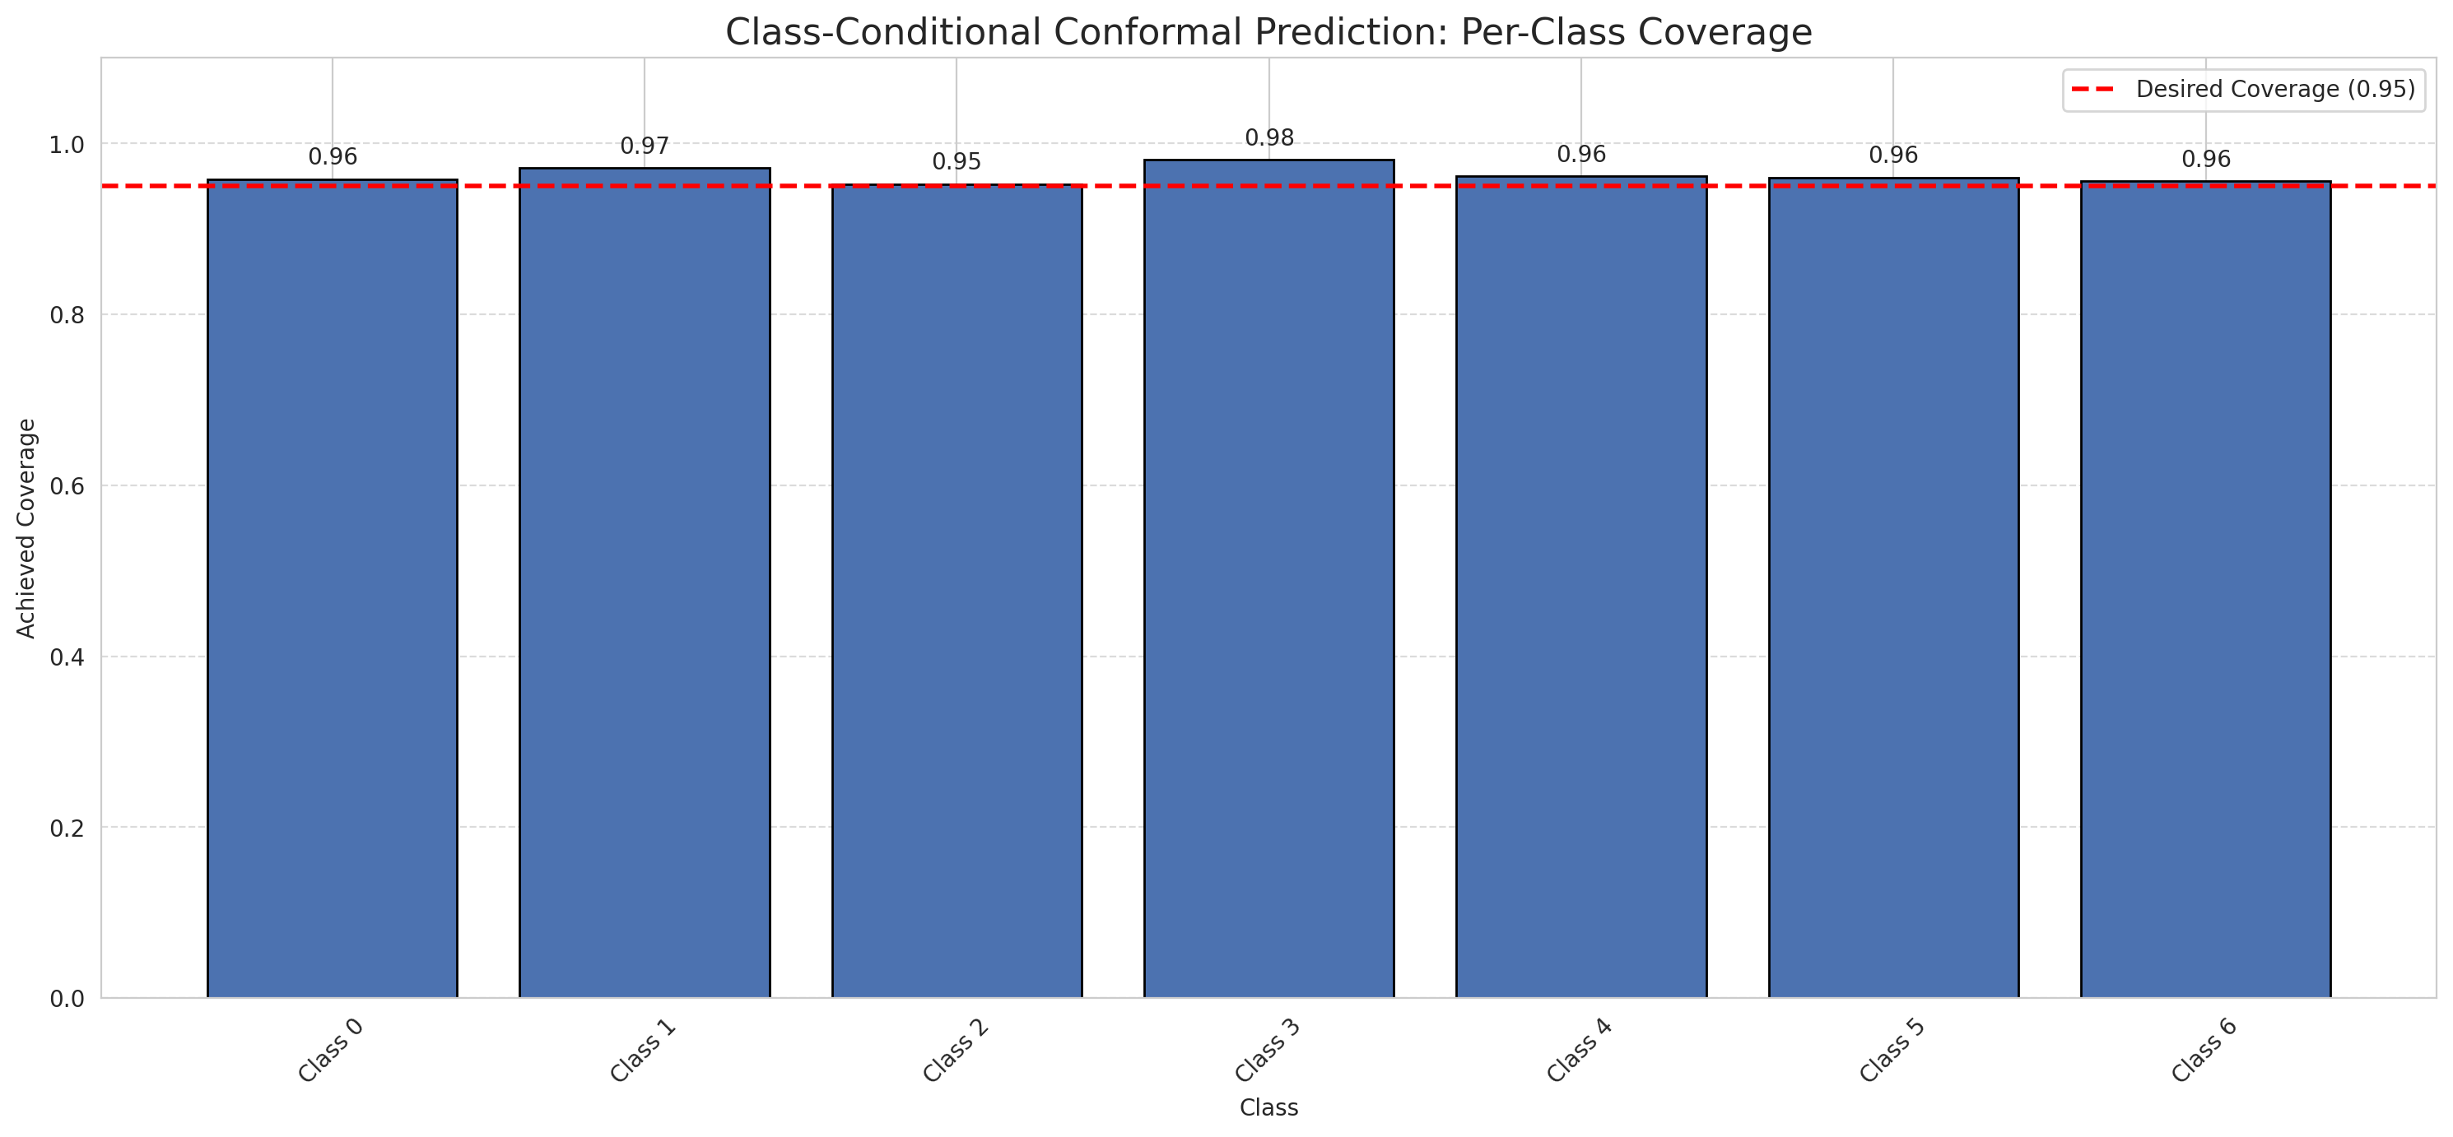
Summary
model_name | method | target_coverage | empirical_coverage | avg_set_size | median_set_size | singleton_rate | empty_set_rate | runtime_sec | alpha | lam | n_clusters | mean_per_class_coverage
GFNet | ClassConditionalConformal | 0.95 | 0.96194895592 | 0.96194895592 | 1 | 0.96194895592 | 0.038051044084 | 1.872248003 | 0.05 |  |  | 0.96298431397

Per-Class Coverage Values
class_id | class_coverage | support_count
0 | 0.95842450766 | 914
1 | 0.97136563877 | 454
2 | 0.95251396648 | 358
3 | 0.98076923077 | 156
4 | 0.96153846154 | 104
5 | 0.9603960396 | 101
6 | 0.95588235294 | 68

Pixel Counts
class_id | label | pixel_count
0 | Class 0 | 31611
1 | Class 1 | 13113
2 | Class 2 | 12898
3 | Class 3 | 5458
4 | Class 4 | 2868 |  |  |  |  |  |  | Certain vs Uncertain Map
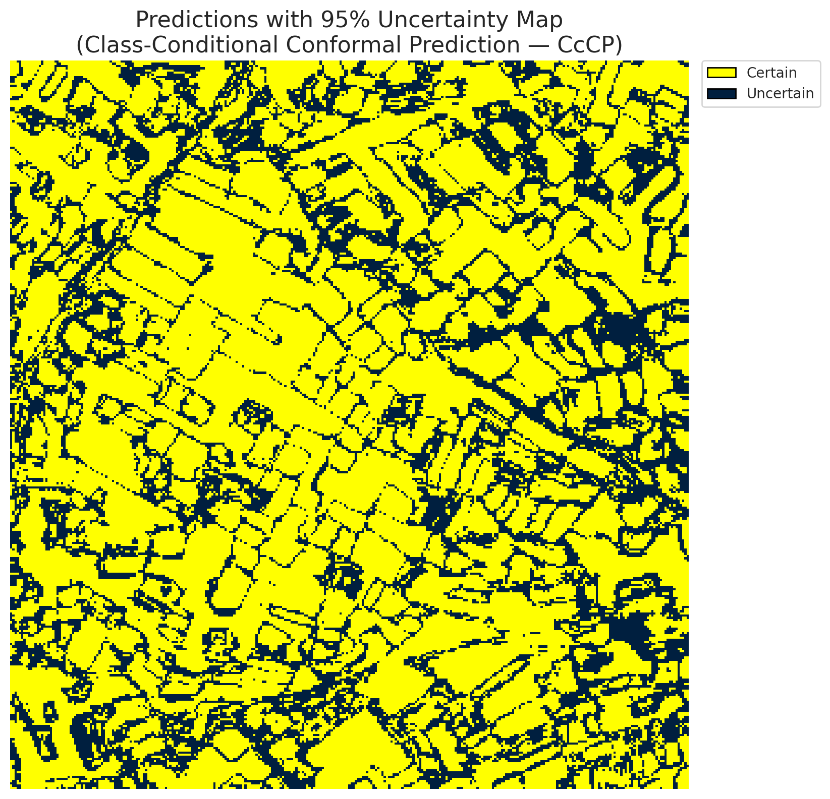
5 | Class 5 | 3440
6 | Class 6 | 1464
7 | Uncertain | 30458

Classwise q_hat
class_id | q_hat_classconditional
0 | 4.4991399955E-06
1 | 0.00080371927625
2 | 0.00015537208621
3 | 0.16293935863
4 | 0.0005239777638
5 | 0.00029473819811
6 | 0.0013962816855

 |  |  |  |  |  |  |  |  | Class Map with Uncertain Mask
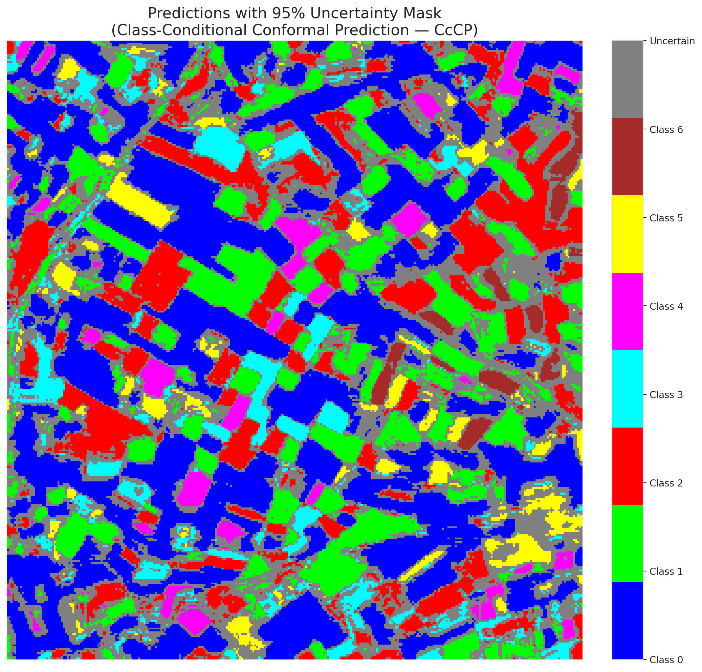

 |  |  |  |  |  |  |  |  | Pixel Counts

RC3P_GFNet
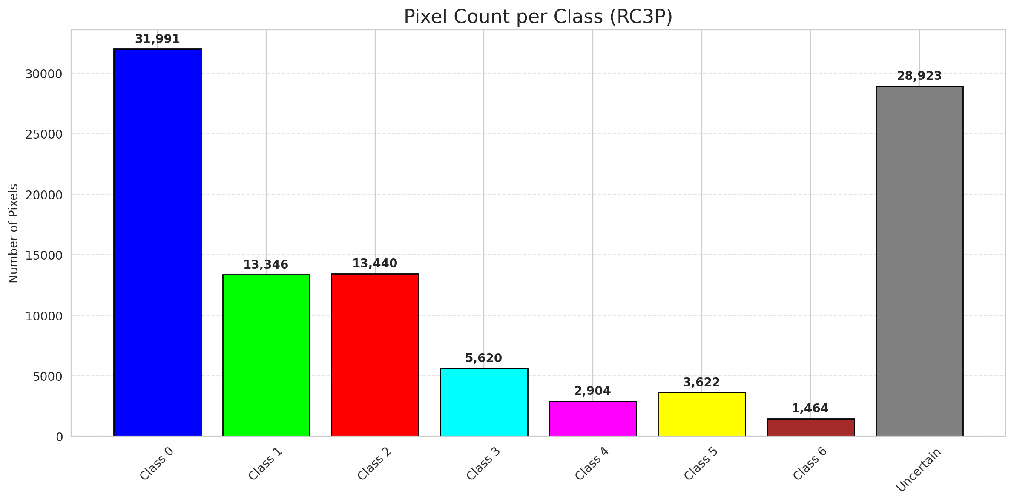
RC3P - GFNet |  |  |  |  |  |  |  |  | Per-Class Coverage
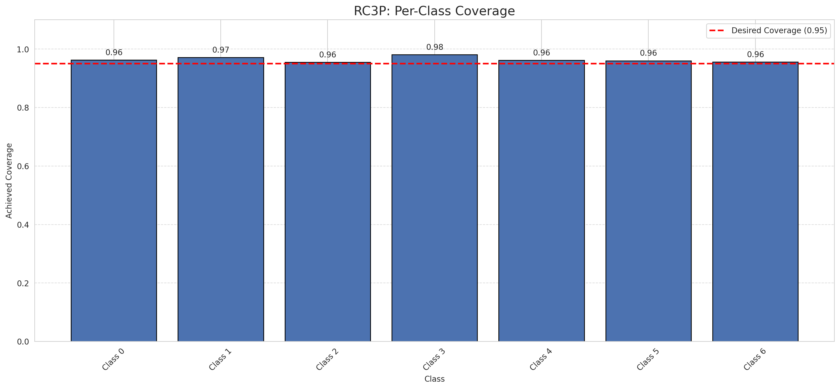
Summary
model_name | method | target_coverage | empirical_coverage | avg_set_size | median_set_size | singleton_rate | empty_set_rate | runtime_sec | alpha | lam | n_clusters | mean_per_class_coverage
GFNet | RC3P | 0.95 | 0.96426914153 | 0.96426914153 | 1 | 0.96426914153 | 0.035730858469 | 2.443220387 | 0.05 |  |  | 0.96400855164

Per-Class Coverage Values
class_id | class_coverage | support_count
0 | 0.96280087527 | 914
1 | 0.97136563877 | 454
2 | 0.95530726257 | 358
3 | 0.98076923077 | 156
4 | 0.96153846154 | 104
5 | 0.9603960396 | 101
6 | 0.95588235294 | 68

Pixel Counts
class_id | label | pixel_count
0 | Class 0 | 31991
1 | Class 1 | 13346
2 | Class 2 | 13440
3 | Class 3 | 5620
4 | Class 4 | 2904 |  |  |  |  |  |  | Certain vs Uncertain Map
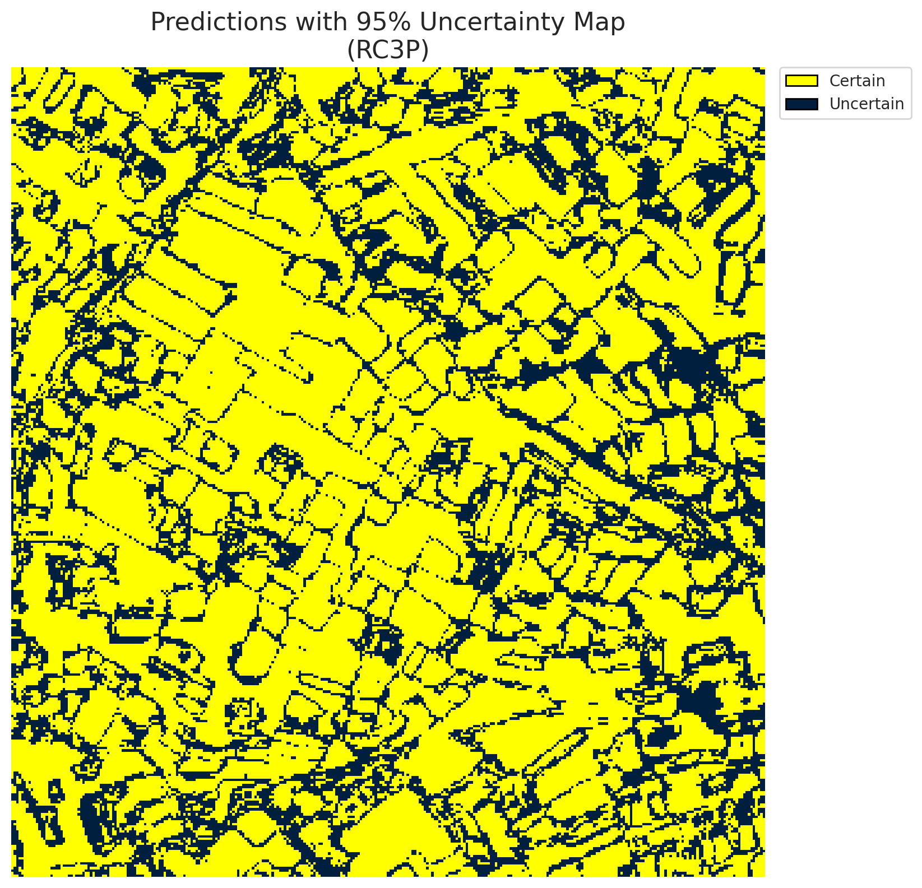
5 | Class 5 | 3622
6 | Class 6 | 1464
7 | Uncertain | 28923

RC3P Thresholds & Limits
class_id | q_hat_rc3p | suit_index_limit
0 | 5.8137830433E-06 | 1
1 | 0.0011326596423 | 1
2 | 0.00029589760898 | 1
3 | 0.21212615894 | 1
4 | 0.00066315108743 | 1
5 | 0.00048779713006 | 1
6 | 0.0013962816855 | 1

 |  |  |  |  |  |  |  |  | Class Map with Uncertain Mask


 |  |  |  |  |  |  |  |  | Pixel Counts

Clustered_GFNet
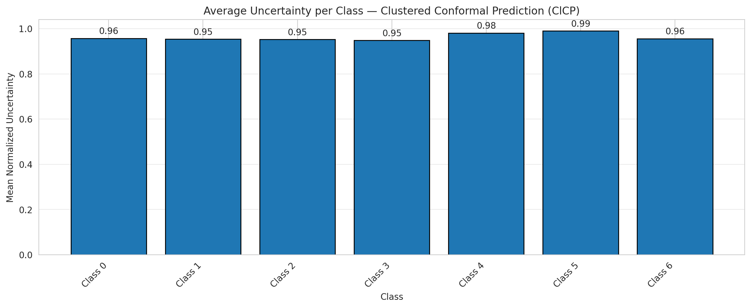
ClusteredConformal - GFNet |  |  |  |  |  |  |  |  | Per-Class Coverage
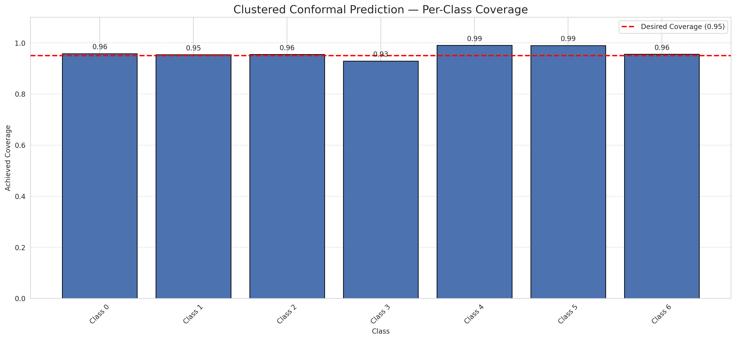
Summary
model_name | method | target_coverage | empirical_coverage | avg_set_size | median_set_size | singleton_rate | empty_set_rate | runtime_sec | alpha | lam | n_clusters | mean_per_class_coverage
GFNet | ClusteredConformal | 0.95 | 0.95777262181 | 0.95777262181 | 1 | 0.95777262181 | 0.04222737819 | 4.984150045 | 0.05 |  | 4 | 0.96190420305

Per-Class Coverage Values
class_id | class_coverage | support_count
0 | 0.95842450766 | 914
1 | 0.95374449339 | 454
2 | 0.95530726257 | 358
3 | 0.92948717949 | 156
4 | 0.99038461538 | 104
5 | 0.9900990099 | 101
6 | 0.95588235294 | 68

Class-to-Cluster Assignment
class_id | cluster_id
0 | 3
1 | 1
2 | 1
3 | 0
4 | 0 |  |  |  |  |  |  |  | Uncertainty Distribution
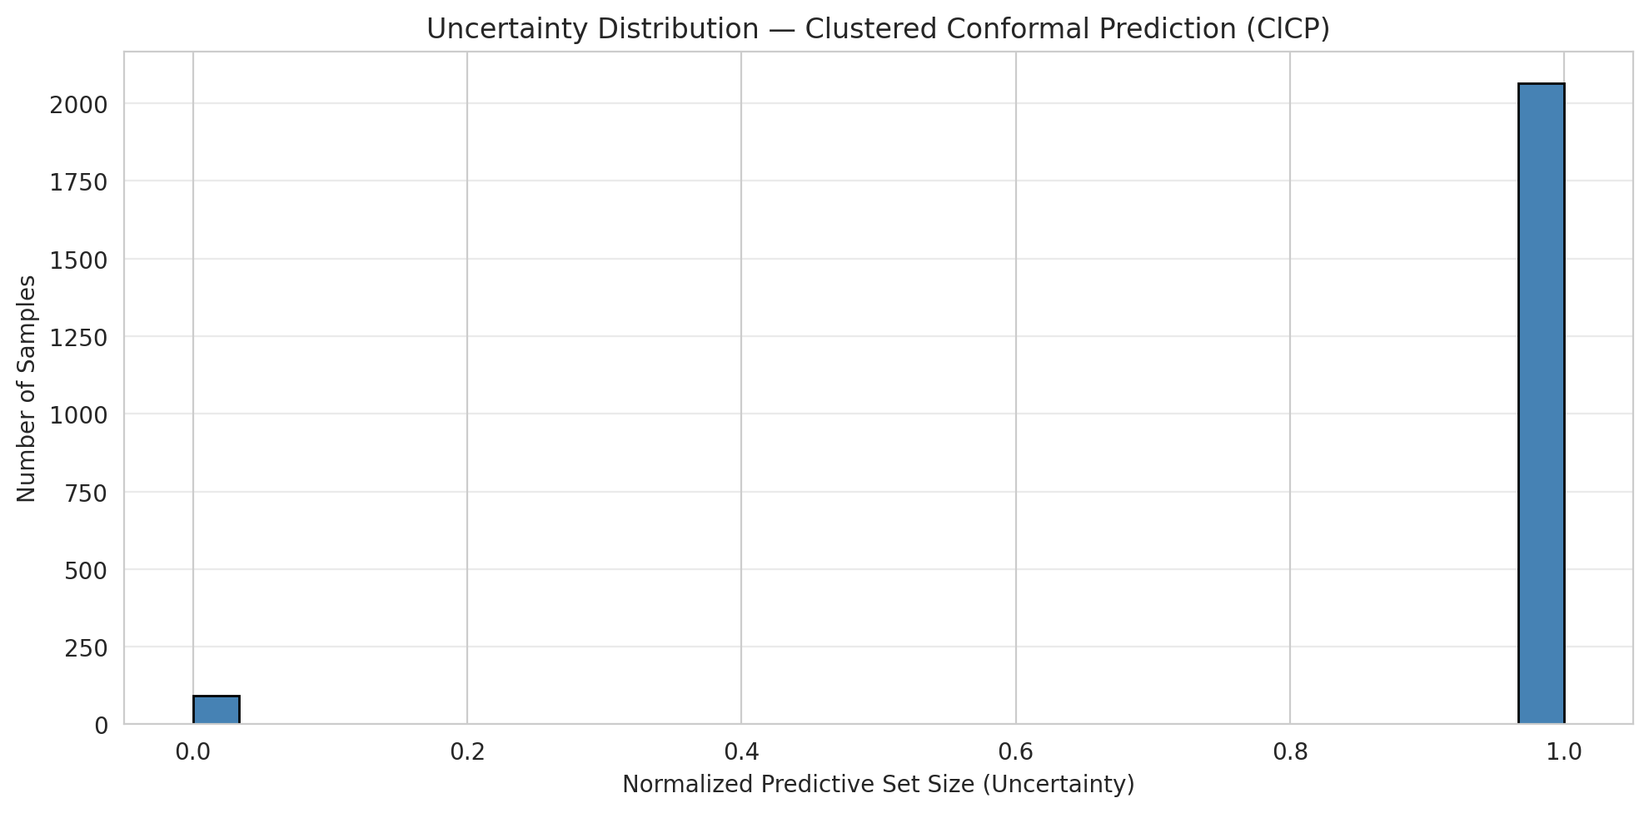
5 | 0
6 | 2

Cluster q_hat
cluster_id | q_hat_cluster
0 | 0.0037369989103
1 | 0.00029589760898
2 | 0.0013962816855
3 | 4.4991399955E-06

Cluster Mean Uncertainty
cluster | uncertainty
0 | 0.96935933148
1 | 0.9532595326
2 | 0.95588235294
3 | 0.95737704918

Class Mean Uncertainty
class_id | uncertainty
0 | 0.95737704918
1 | 0.95374449339 |  |  |  |  |  |  |  | Avg Uncertainty per Cluster
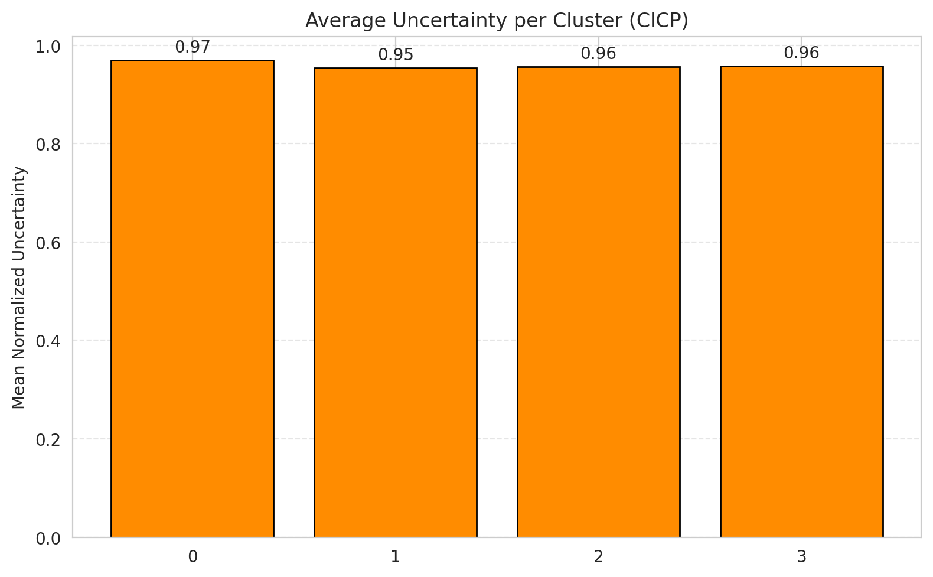
2 | 0.95264623955
3 | 0.9477124183
4 | 0.98095238095
5 | 0.9900990099
6 | 0.95588235294

 |  |  |  |  |  |  |  |  | Avg Uncertainty per Class

RAPS_GFNet
RAPS - GFNet |  |  |  |  |  |  |  |  | Per-Class Coverage
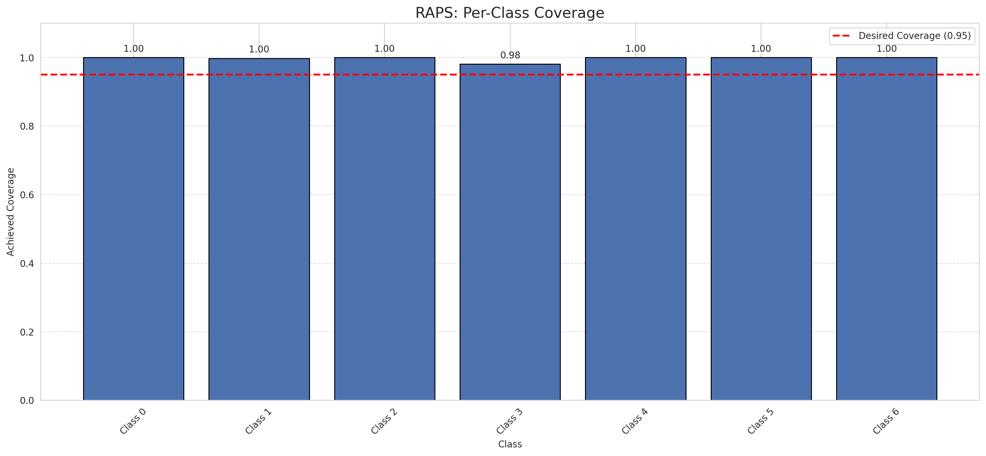
Summary
model_name | method | target_coverage | empirical_coverage | avg_set_size | median_set_size | singleton_rate | empty_set_rate | runtime_sec | alpha | lam | n_clusters | mean_per_class_coverage
GFNet | RAPS | 0.95 | 0.99814385151 | 1 | 1 | 1 | 0 | 0.378986217 | 0.05 | 0.01 |  | 0.99693808394

Per-Class Coverage Values
class_id | class_coverage | support_count
0 | 1 | 914
1 | 0.99779735683 | 454
2 | 1 | 358
3 | 0.98076923077 | 156
4 | 1 | 104
5 | 1 | 101
6 | 1 | 68

RAPS Parameters
q_hat_raps | lambda | k_reg
0 | 0.01 | 1

Split_ViT
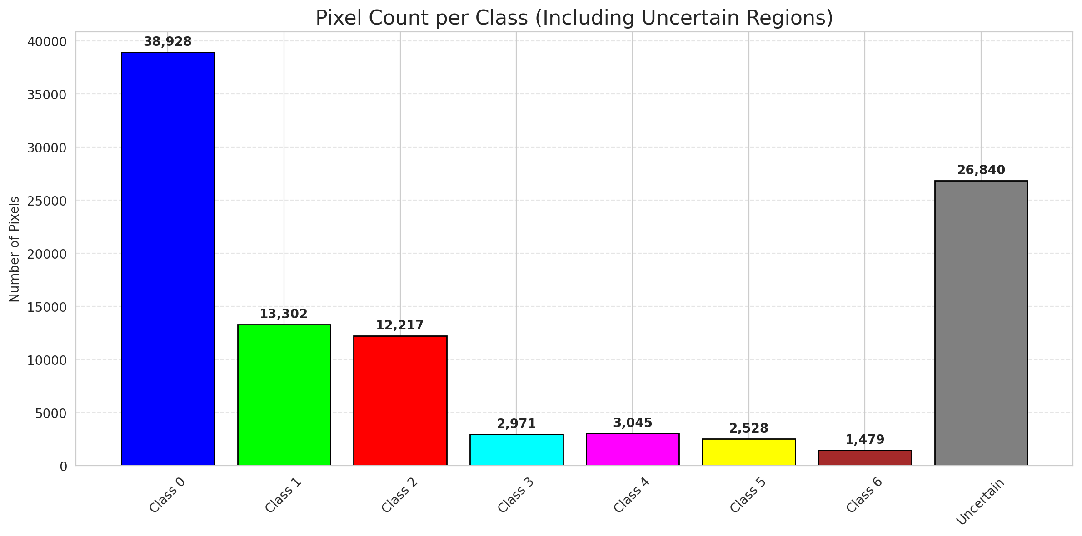
SplitConformal - ViT |  |  |  |  |  |  |  |  | Per-Class Coverage
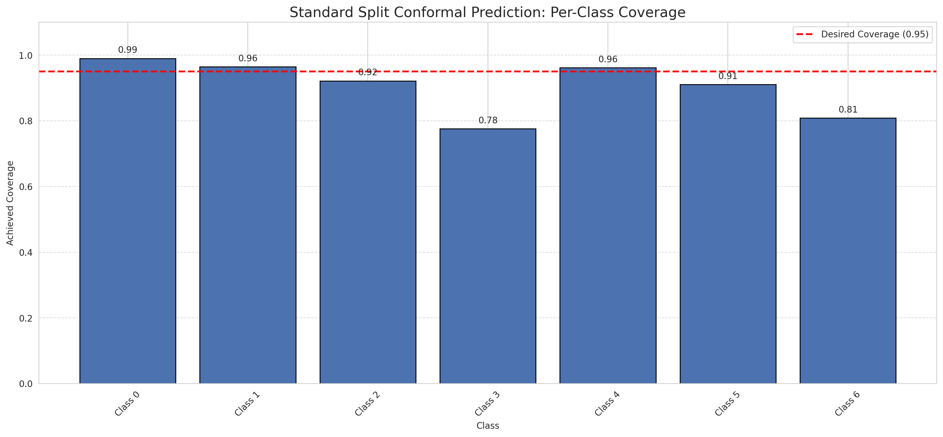
Summary
model_name | method | target_coverage | empirical_coverage | avg_set_size | median_set_size | singleton_rate | empty_set_rate | runtime_sec | alpha | lam | n_clusters | mean_per_class_coverage
ViT | SplitConformal | 0.95 | 0.94709976798 | 0.9475638051 | 1 | 0.9475638051 | 0.052436194896 | 1.570157842 | 0.05 |  |  | 0.90479895676

Per-Class Coverage Values
class_id | class_coverage | support_count
0 | 0.99015317287 | 914
1 | 0.96475770925 | 454
2 | 0.9217877095 | 358
3 | 0.77564102564 | 156
4 | 0.96153846154 | 104
5 | 0.91089108911 | 101
6 | 0.80882352941 | 68

Pixel Counts
class_id | label | pixel_count
0 | Class 0 | 38928
1 | Class 1 | 13302
2 | Class 2 | 12217
3 | Class 3 | 2971
4 | Class 4 | 3045 |  |  |  |  |  |  | Certain vs Uncertain Map
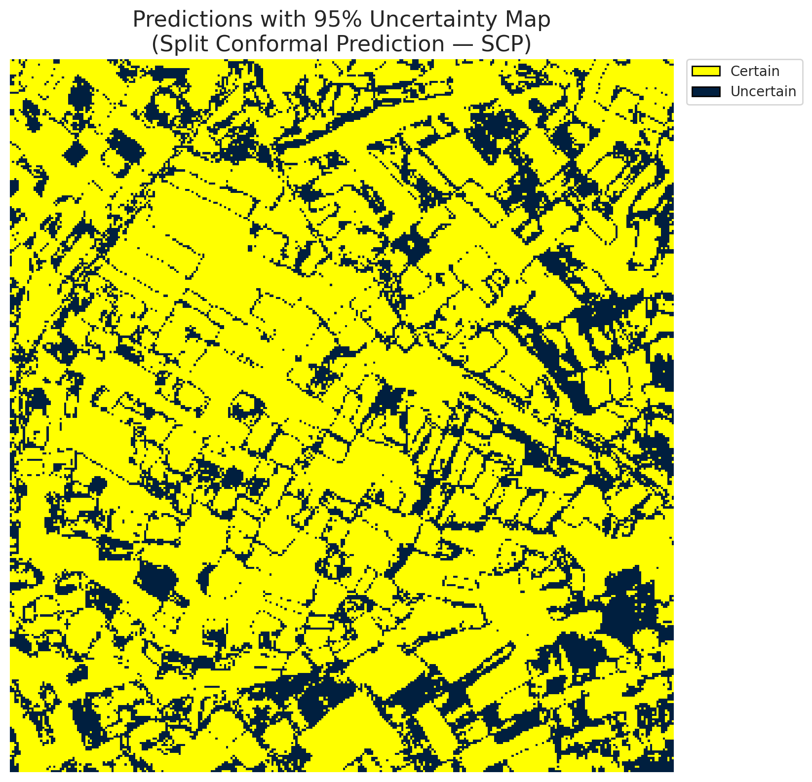
5 | Class 5 | 2528
6 | Class 6 | 1479
7 | Uncertain | 26840

Threshold
q_hat_split
4.3871566756E-06

 |  |  |  |  |  |  |  |  | Class Map with Uncertain Mask
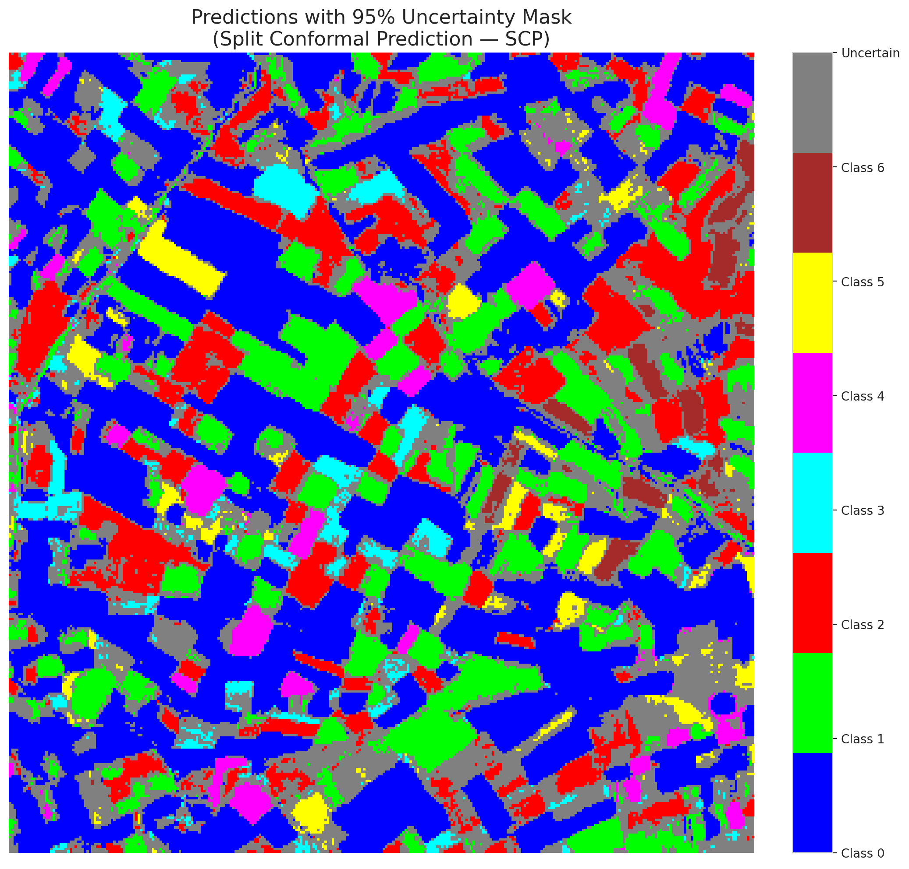

 |  |  |  |  |  |  |  |  | Pixel Counts

ClassCond_ViT
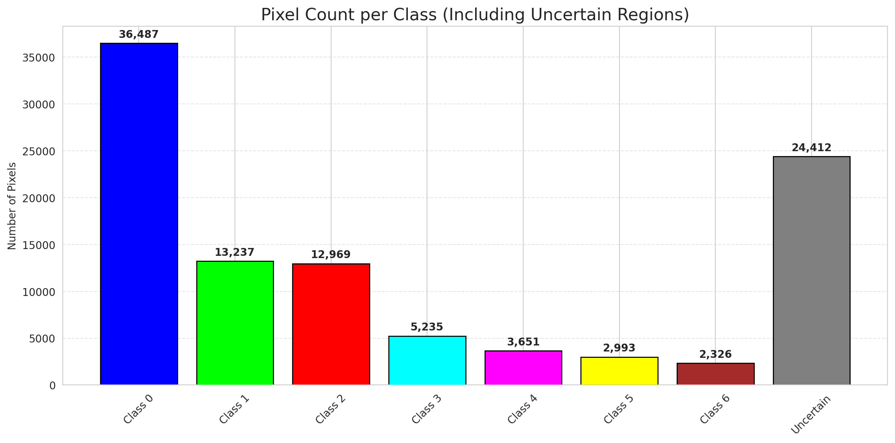
ClassConditionalConformal - ViT |  |  |  |  |  |  |  |  | Per-Class Coverage
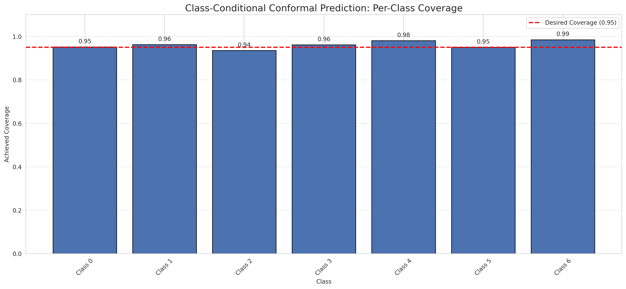
Summary
model_name | method | target_coverage | empirical_coverage | avg_set_size | median_set_size | singleton_rate | empty_set_rate | runtime_sec | alpha | lam | n_clusters | mean_per_class_coverage
ViT | ClassConditionalConformal | 0.95 | 0.95452436195 | 0.95498839907 | 1 | 0.95498839907 | 0.045011600928 | 1.509635451 | 0.05 |  |  | 0.96118086739

Per-Class Coverage Values
class_id | class_coverage | support_count
0 | 0.95185995624 | 914
1 | 0.96255506608 | 454
2 | 0.93575418994 | 358
3 | 0.96153846154 | 156
4 | 0.98076923077 | 104
5 | 0.9504950495 | 101
6 | 0.98529411765 | 68

Pixel Counts
class_id | label | pixel_count
0 | Class 0 | 36487
1 | Class 1 | 13237
2 | Class 2 | 12969
3 | Class 3 | 5235
4 | Class 4 | 3651 |  |  |  |  |  |  | Certain vs Uncertain Map
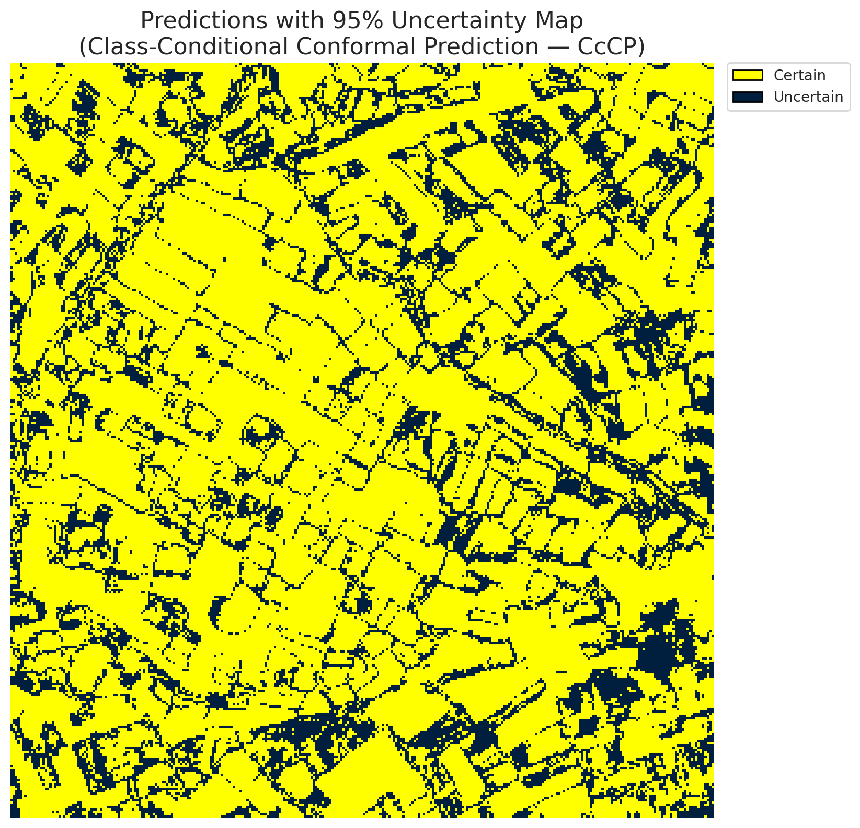
5 | Class 5 | 2993
6 | Class 6 | 2326
7 | Uncertain | 24412

Classwise q_hat
class_id | q_hat_classconditional
0 | 9.8409147498E-10
1 | 4.02836548E-06
2 | 1.3479984881E-05
3 | 0.0013539531172
4 | 0.00085039386928
5 | 1.4523290965E-05
6 | 0.0046595269514

 |  |  |  |  |  |  |  |  | Class Map with Uncertain Mask
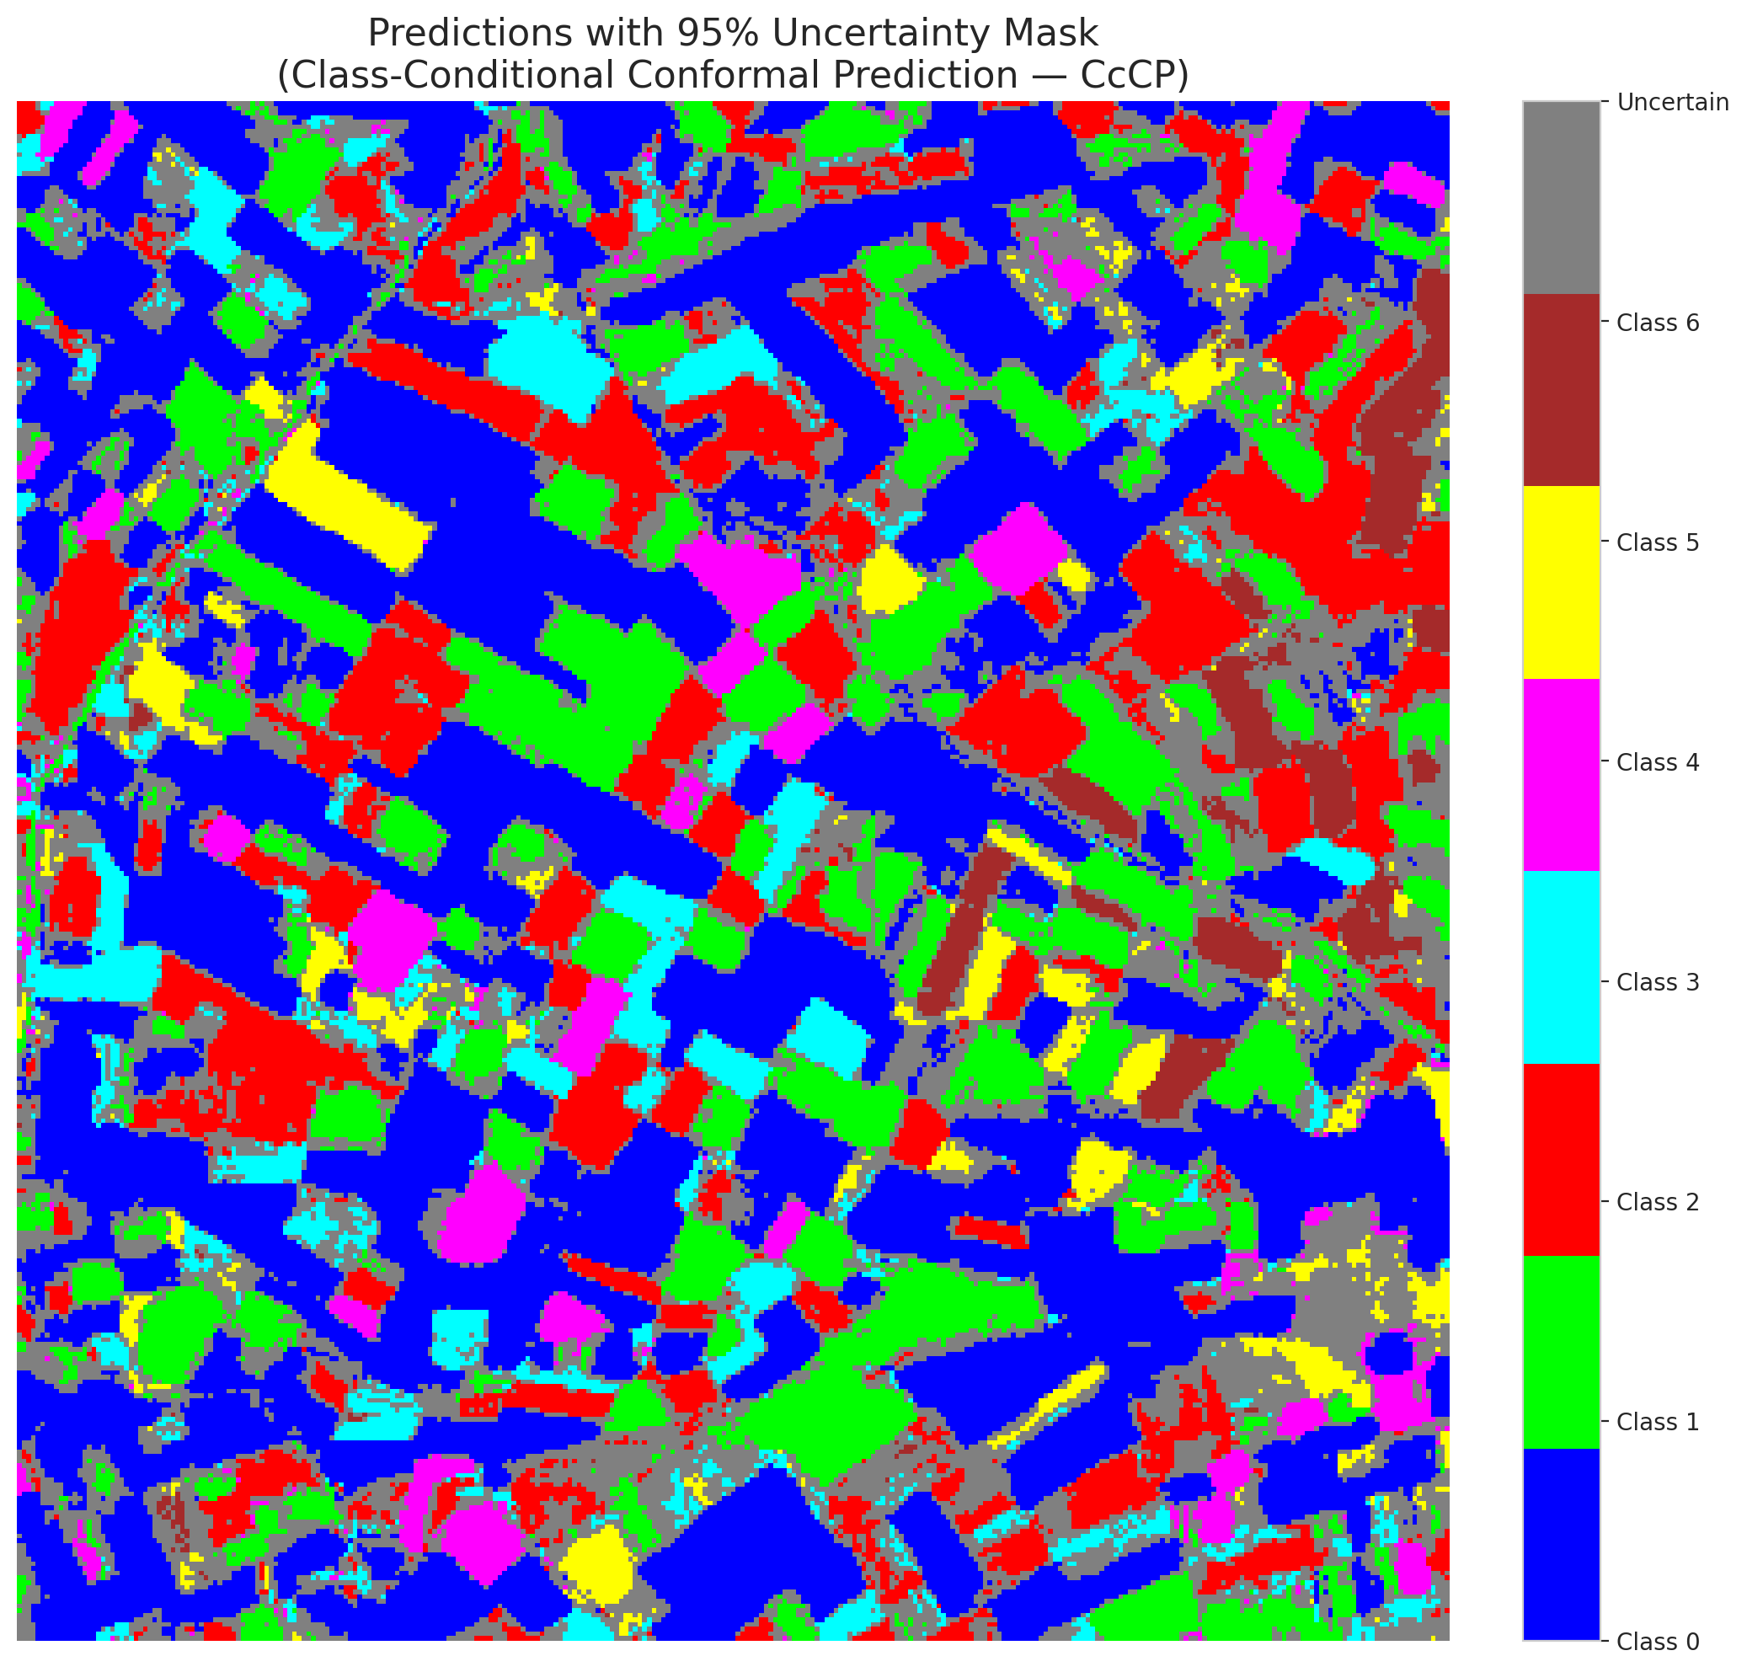

 |  |  |  |  |  |  |  |  | Pixel Counts

RC3P_ViT
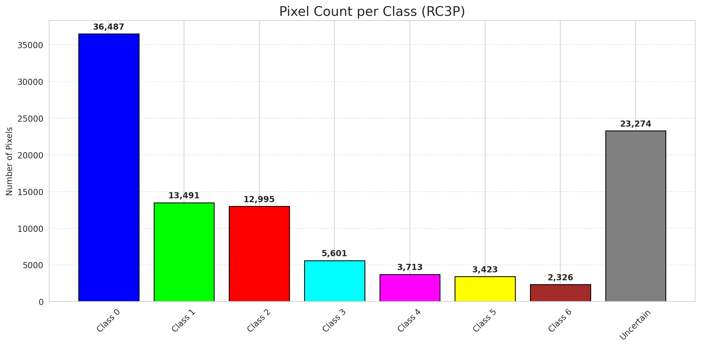
RC3P - ViT |  |  |  |  |  |  |  |  | Per-Class Coverage
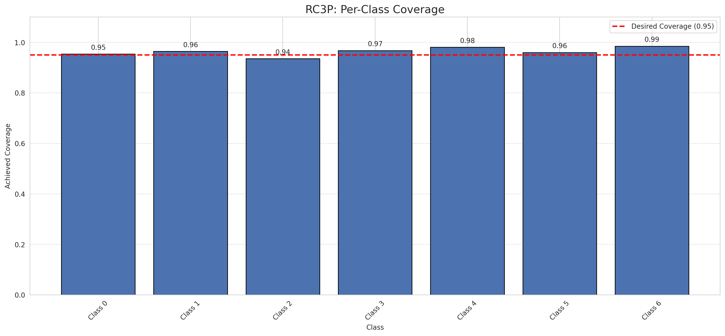
Summary
model_name | method | target_coverage | empirical_coverage | avg_set_size | median_set_size | singleton_rate | empty_set_rate | runtime_sec | alpha | lam | n_clusters | mean_per_class_coverage
ViT | RC3P | 0.95 | 0.95684454756 | 0.95730858469 | 1 | 0.95730858469 | 0.042691415313 | 2.719281421 | 0.05 |  |  | 0.96413830646

Per-Class Coverage Values
class_id | class_coverage | support_count
0 | 0.95404814004 | 914
1 | 0.96475770925 | 454
2 | 0.93575418994 | 358
3 | 0.96794871795 | 156
4 | 0.98076923077 | 104
5 | 0.9603960396 | 101
6 | 0.98529411765 | 68

Pixel Counts
class_id | label | pixel_count
0 | Class 0 | 36487
1 | Class 1 | 13491
2 | Class 2 | 12995
3 | Class 3 | 5601
4 | Class 4 | 3713 |  |  |  |  |  |  | Certain vs Uncertain Map
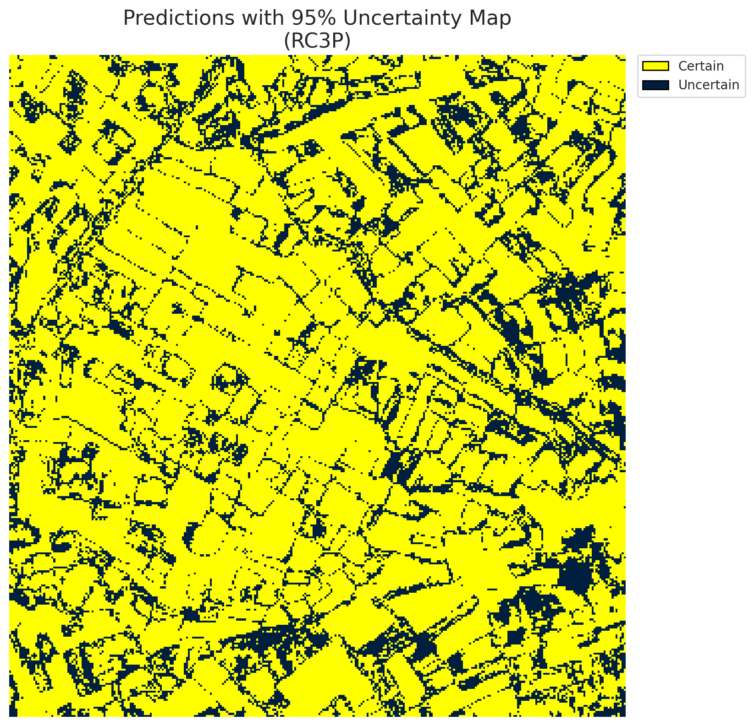
5 | Class 5 | 3423
6 | Class 6 | 2326
7 | Uncertain | 23274

RC3P Thresholds & Limits
class_id | q_hat_rc3p | suit_index_limit
0 | 1.341379896E-09 | 1
1 | 6.3541945958E-06 | 1
2 | 1.4235456306E-05 | 1
3 | 0.0037338797138 | 1
4 | 0.0015360601648 | 1
5 | 4.9141365323E-05 | 1
6 | 0.0046595269514 | 1

 |  |  |  |  |  |  |  |  | Class Map with Uncertain Mask


 |  |  |  |  |  |  |  |  | Pixel Counts

Clustered_ViT
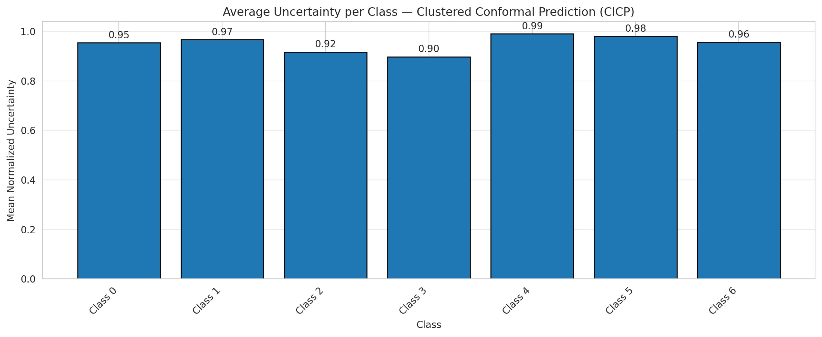
ClusteredConformal - ViT |  |  |  |  |  |  |  |  | Per-Class Coverage
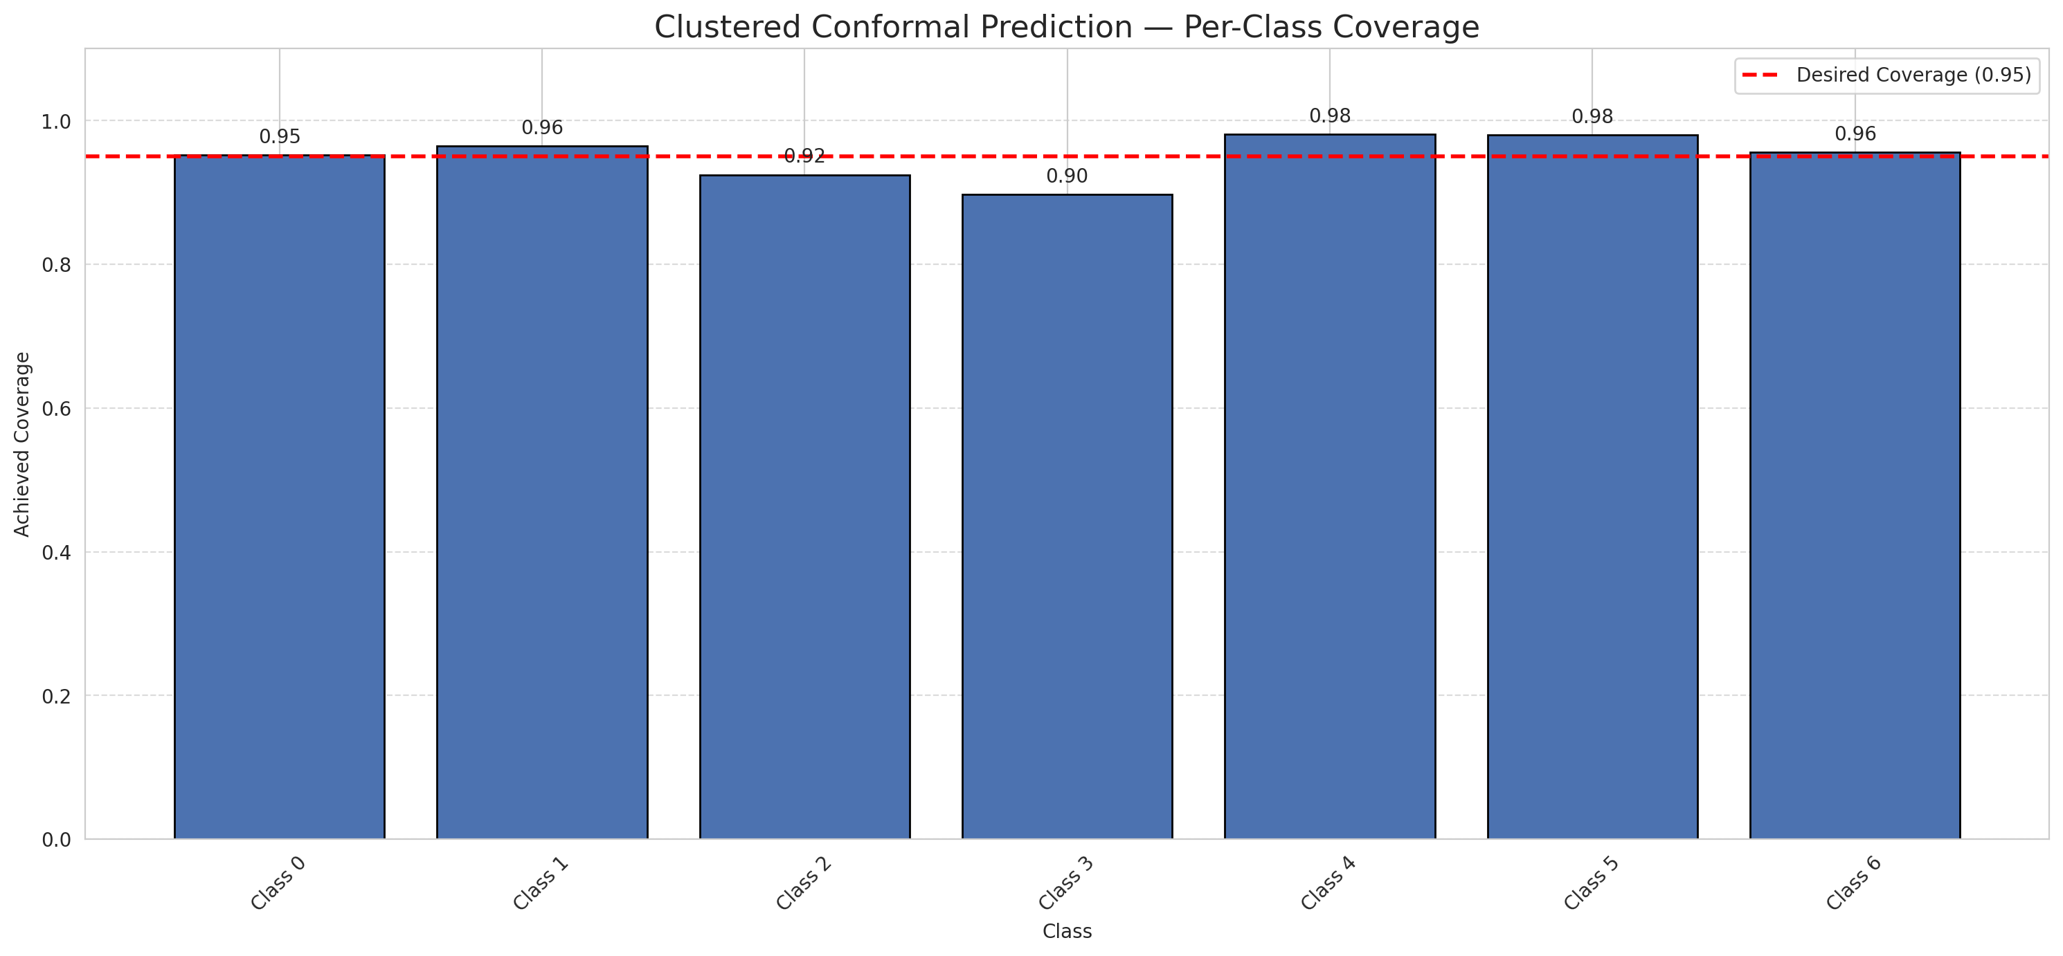
Summary
model_name | method | target_coverage | empirical_coverage | avg_set_size | median_set_size | singleton_rate | empty_set_rate | runtime_sec | alpha | lam | n_clusters | mean_per_class_coverage
ViT | ClusteredConformal | 0.95 | 0.94895591647 | 0.9494199536 | 1 | 0.9494199536 | 0.050580046404 | 10.493560403 | 0.05 |  | 4 | 0.95078345315

Per-Class Coverage Values
class_id | class_coverage | support_count
0 | 0.95185995624 | 914
1 | 0.96475770925 | 454
2 | 0.92458100559 | 358
3 | 0.89743589744 | 156
4 | 0.98076923077 | 104
5 | 0.9801980198 | 101
6 | 0.95588235294 | 68

Class-to-Cluster Assignment
class_id | cluster_id
0 | 0
1 | 1
2 | 1
3 | 2
4 | 3 |  |  |  |  |  |  |  | Uncertainty Distribution
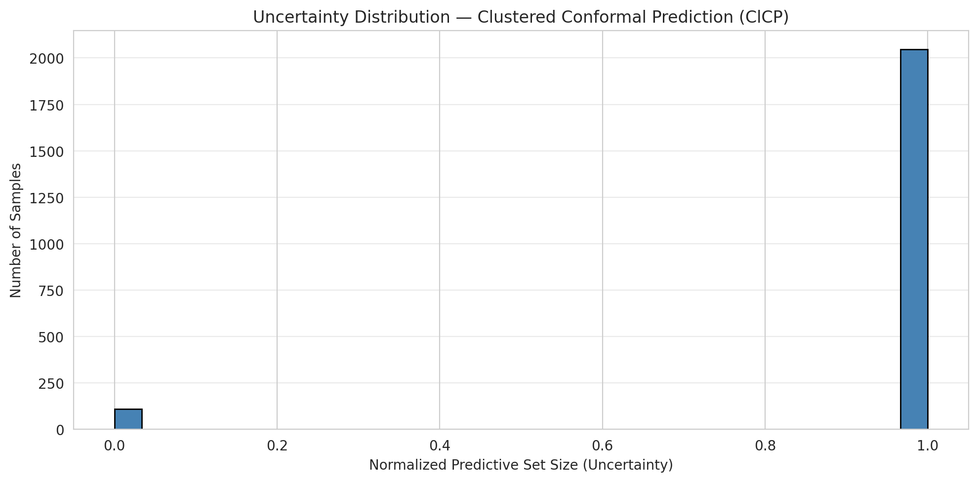
5 | 2
6 | 2

Cluster q_hat
cluster_id | q_hat_cluster
0 | 9.8409147498E-10
1 | 6.3541945958E-06
2 | 0.00010424630213
3 | 0.00085039386928

Cluster Mean Uncertainty
cluster | uncertainty
0 | 0.95394736842
1 | 0.94478527607
2 | 0.93538461538
3 | 0.99029126214

Class Mean Uncertainty
class_id | uncertainty
0 | 0.95394736842
1 | 0.96688741722 |  |  |  |  |  |  |  | Avg Uncertainty per Cluster
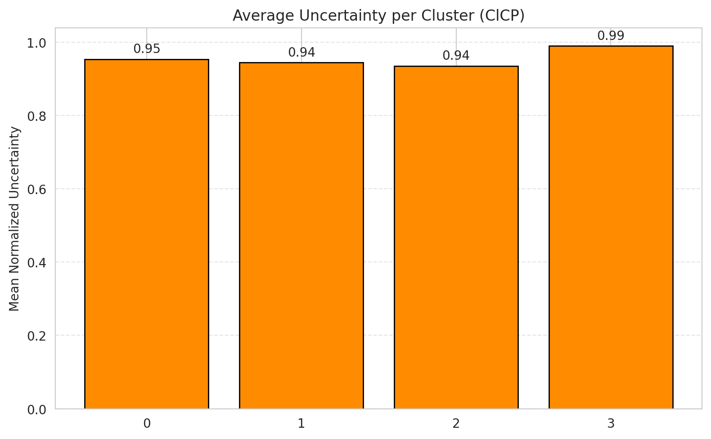
2 | 0.91712707182
3 | 0.89743589744
4 | 0.99029126214
5 | 0.9801980198
6 | 0.95588235294

 |  |  |  |  |  |  |  |  | Avg Uncertainty per Class

RAPS_ViT
RAPS - ViT |  |  |  |  |  |  |  |  | Per-Class Coverage
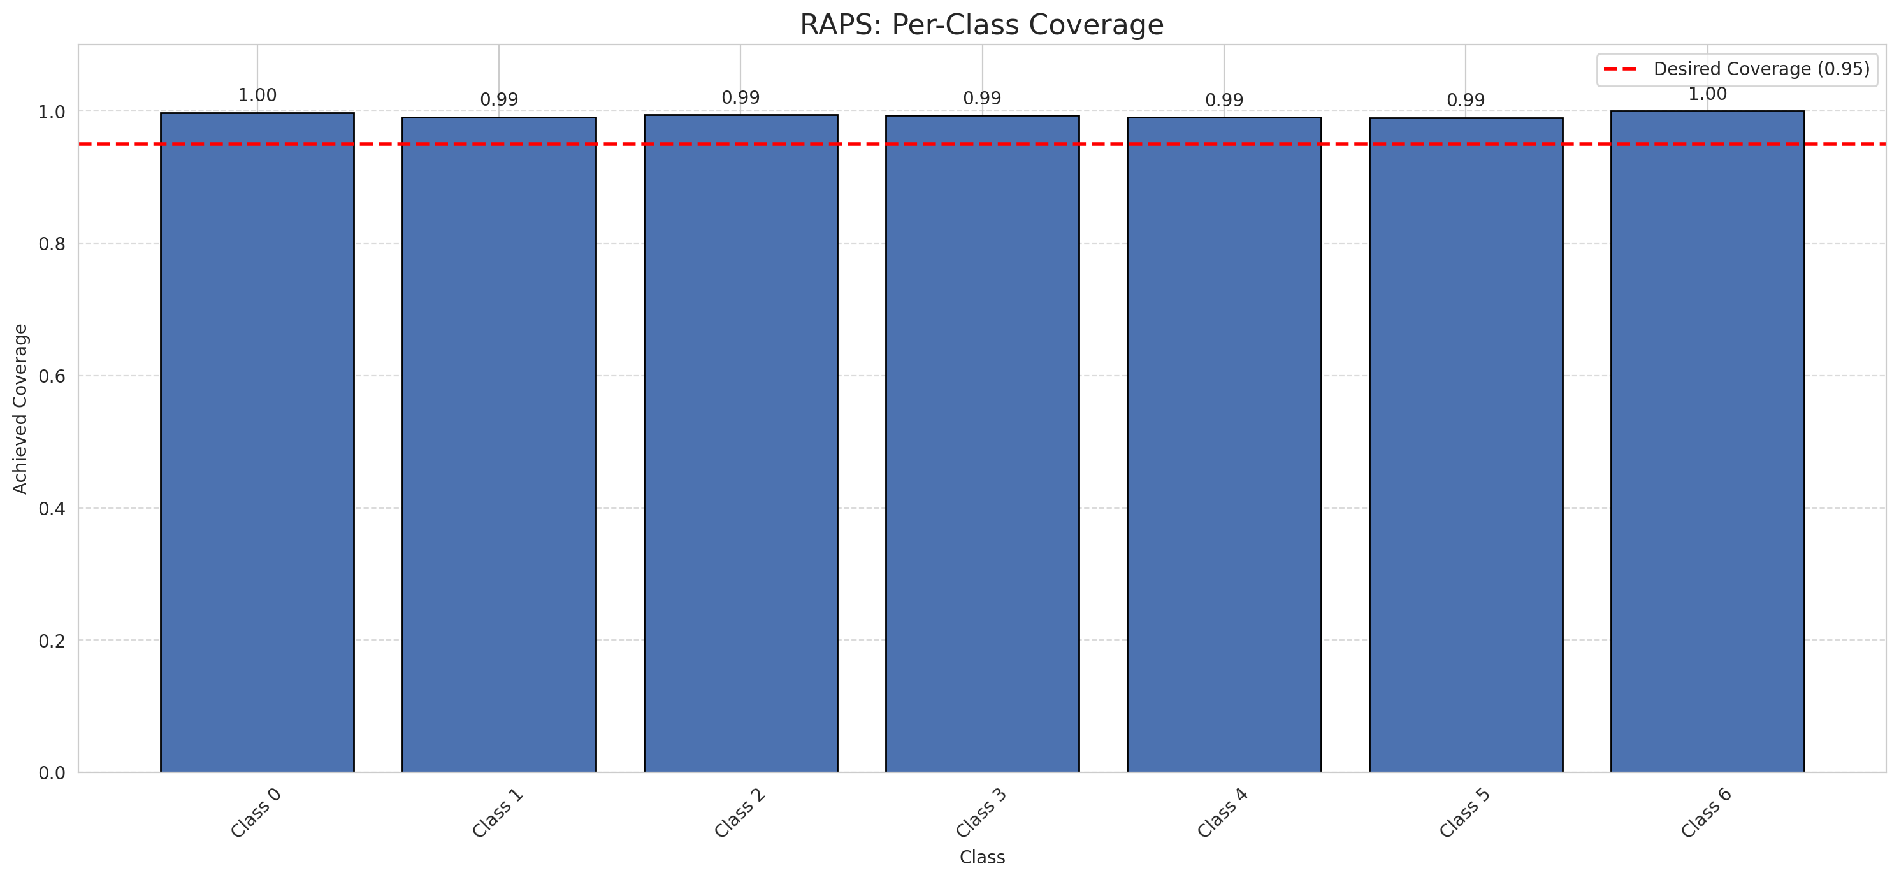
Summary
model_name | method | target_coverage | empirical_coverage | avg_set_size | median_set_size | singleton_rate | empty_set_rate | runtime_sec | alpha | lam | n_clusters | mean_per_class_coverage
ViT | RAPS | 0.95 | 0.99489559165 | 1 | 1 | 1 | 0 | 0.394909357 | 0.05 | 0.01 |  | 0.99392686003

Per-Class Coverage Values
class_id | class_coverage | support_count
0 | 0.99781181619 | 914
1 | 0.99118942731 | 454
2 | 0.99441340782 | 358
3 | 0.99358974359 | 156
4 | 0.99038461538 | 104
5 | 0.9900990099 | 101
6 | 1 | 68

RAPS Parameters
q_hat_raps | lambda | k_reg
0 | 0.01 | 1

Compare_Clustered
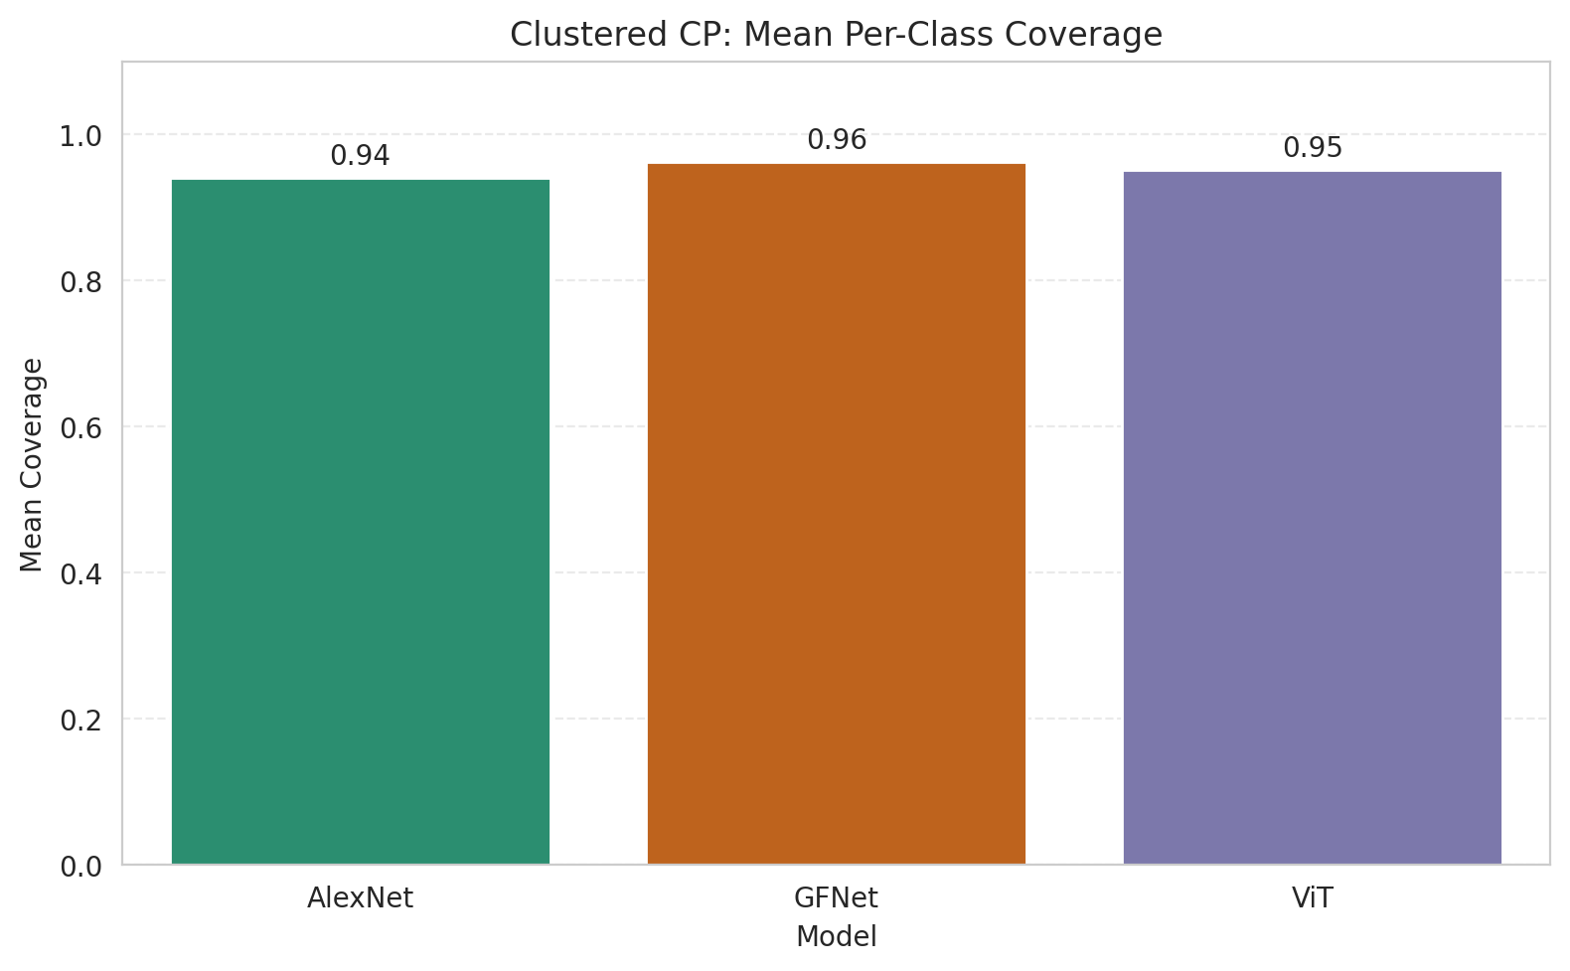
Clustered CP: 3-Model Comparison

model_name | method | target_coverage | empirical_coverage | avg_set_size | median_set_size | singleton_rate | empty_set_rate | model_name | mean_per_class_coverage | lam | n_clusters | mean_per_class_coverage
AlexNet | ClusteredConformal | 0.95 | 0.95406032483 | 0.95406032483 | 1 | 0.95406032483 | 0.045939675174 | AlexNet | 0.94059307815 |  | 4 | 0.94059307815
GFNet | ClusteredConformal | 0.95 | 0.95777262181 | 0.95777262181 | 1 | 0.95777262181 | 0.04222737819 | GFNet | 0.96190420305 |  | 4 | 0.96190420305
ViT | ClusteredConformal | 0.95 | 0.94895591647 | 0.9494199536 | 1 | 0.9494199536 | 0.050580046404 | ViT | 0.95078345315 |  | 4 | 0.95078345315

Grouped Metrics Comparison

Mean Per-Class Coverage Comparison

Compare_RAPS
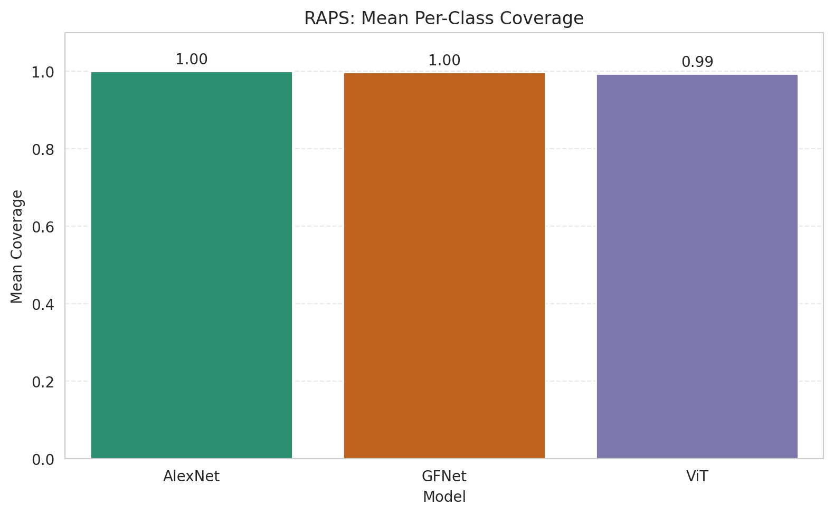
RAPS: 3-Model Comparison

model_name | method | target_coverage | empirical_coverage | avg_set_size | median_set_size | singleton_rate | empty_set_rate | model_name | mean_per_class_coverage | lam | n_clusters | mean_per_class_coverage
AlexNet | RAPS | 0.95 | 0.99953596288 | 1 | 1 | 1 | 0 | AlexNet | 0.99968533669 | 0.01 |  | 0.99968533669
GFNet | RAPS | 0.95 | 0.99814385151 | 1 | 1 | 1 | 0 | GFNet | 0.99693808394 | 0.01 |  | 0.99693808394
ViT | RAPS | 0.95 | 0.99489559165 | 1 | 1 | 1 | 0 | ViT | 0.99392686003 | 0.01 |  | 0.99392686003

Grouped Metrics Comparison

Mean Per-Class Coverage Comparison

