Split_AlexNet
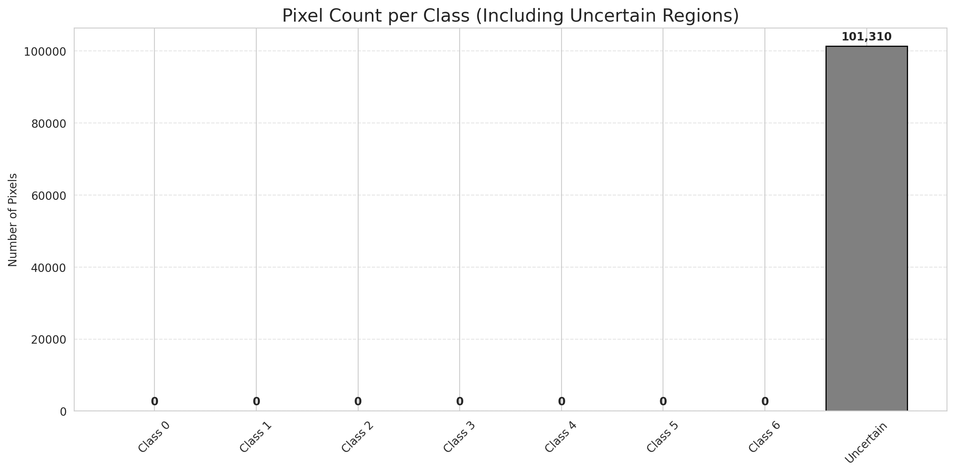
SplitConformal - AlexNet |  |  |  |  |  |  |  |  | Per-Class Coverage
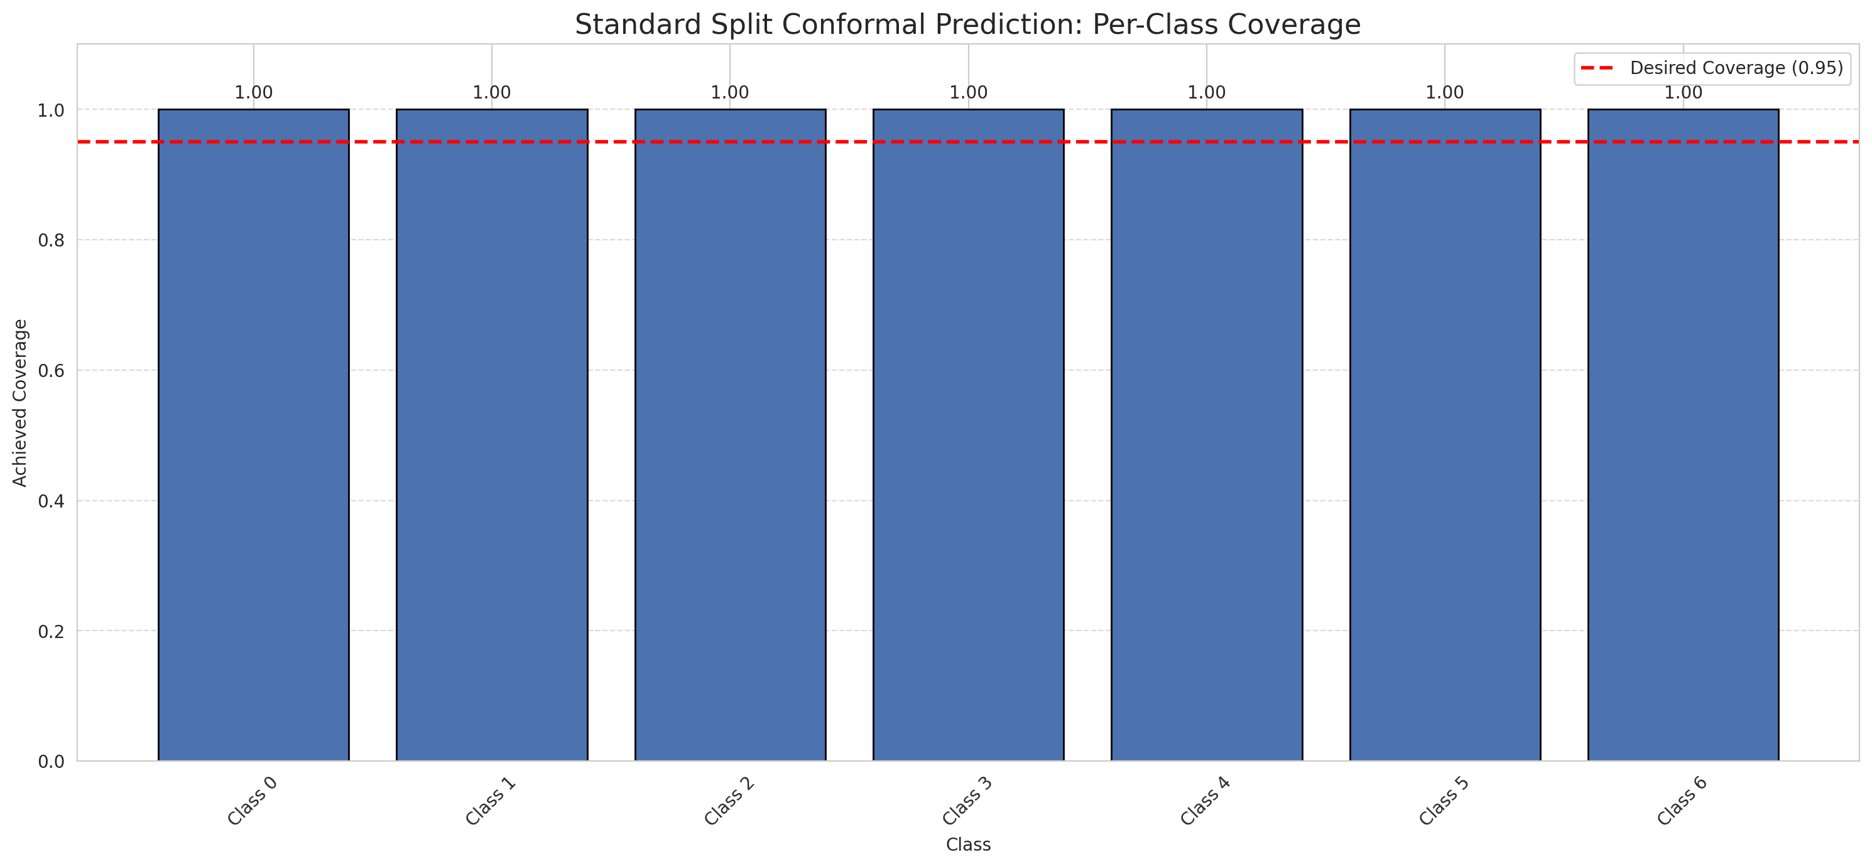
Summary
model_name | method | target_coverage | empirical_coverage | avg_set_size | median_set_size | singleton_rate | empty_set_rate | runtime_sec | alpha | lam | n_clusters | mean_per_class_coverage
AlexNet | SplitConformal | 0.95 | 1 | 7 | 7 | 0 | 0 | 1.577059929 | 0.05 |  |  | 1

Per-Class Coverage Values
class_id | class_coverage | support_count
0 | 1 | 914
1 | 1 | 454
2 | 1 | 358
3 | 1 | 156
4 | 1 | 104
5 | 1 | 101
6 | 1 | 68

Pixel Counts
class_id | label | pixel_count
0 | Class 0 | 0
1 | Class 1 | 0
2 | Class 2 | 0
3 | Class 3 | 0
4 | Class 4 | 0 |  |  |  |  |  |  | Certain vs Uncertain Map
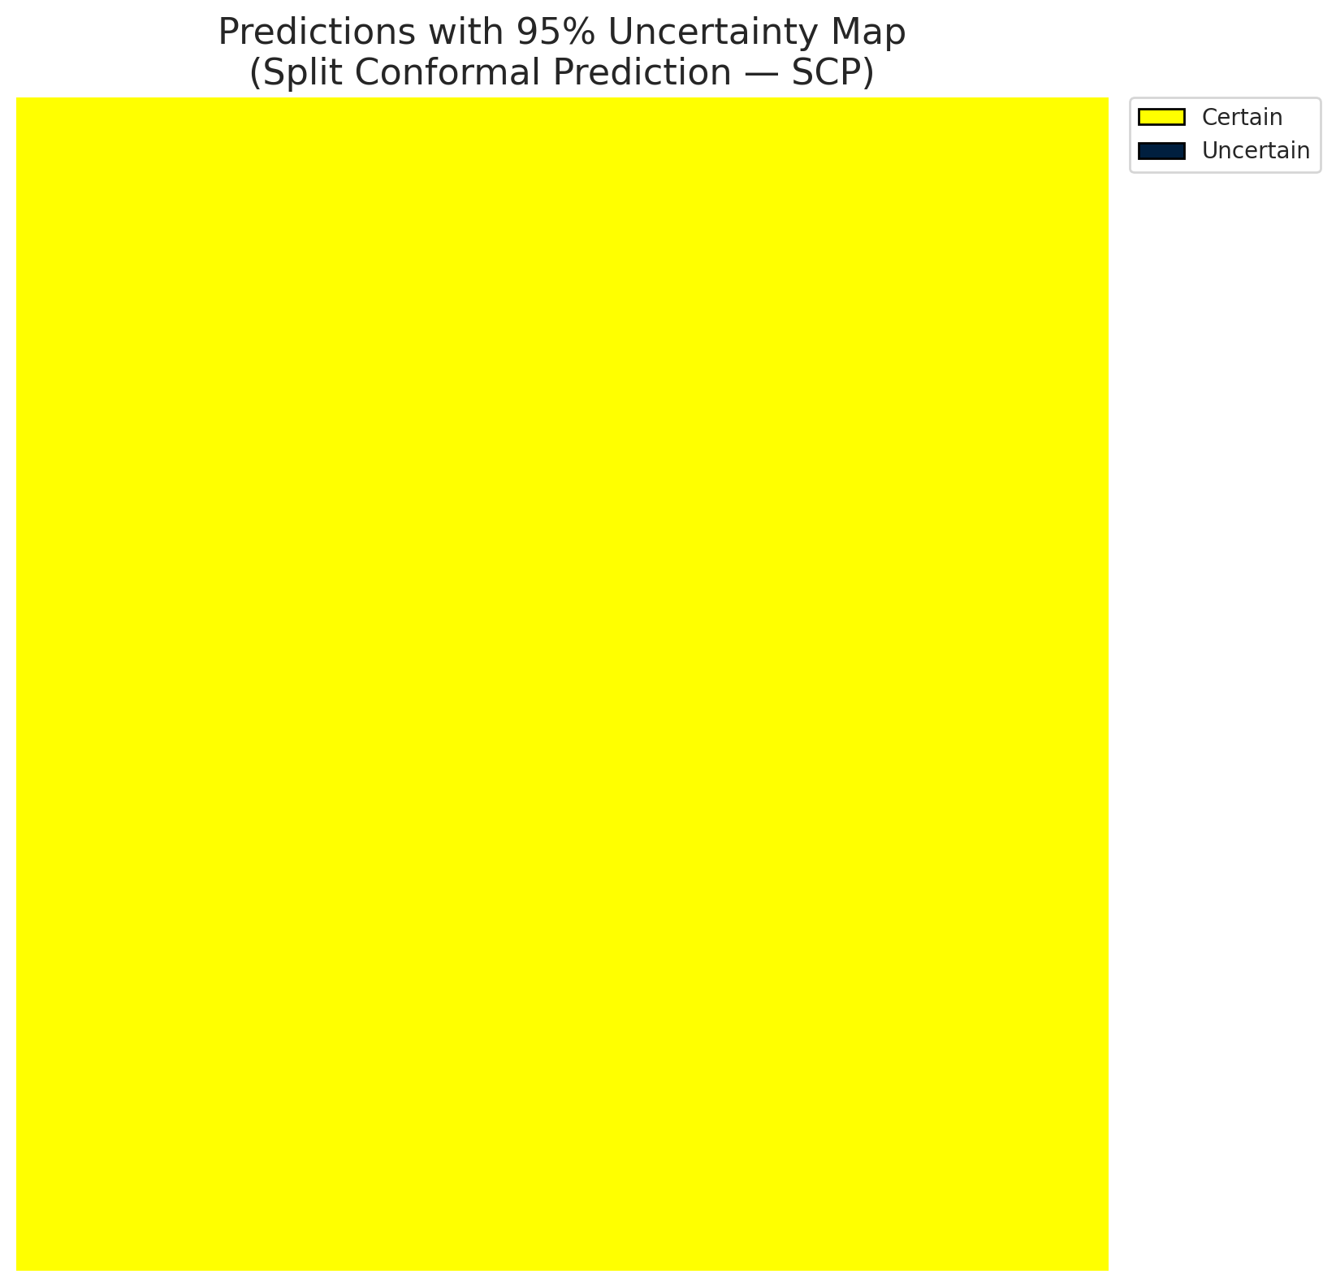
5 | Class 5 | 0
6 | Class 6 | 0
7 | Uncertain | 101310

Threshold
q_hat_split
0.85714285714

 |  |  |  |  |  |  |  |  | Class Map with Uncertain Mask
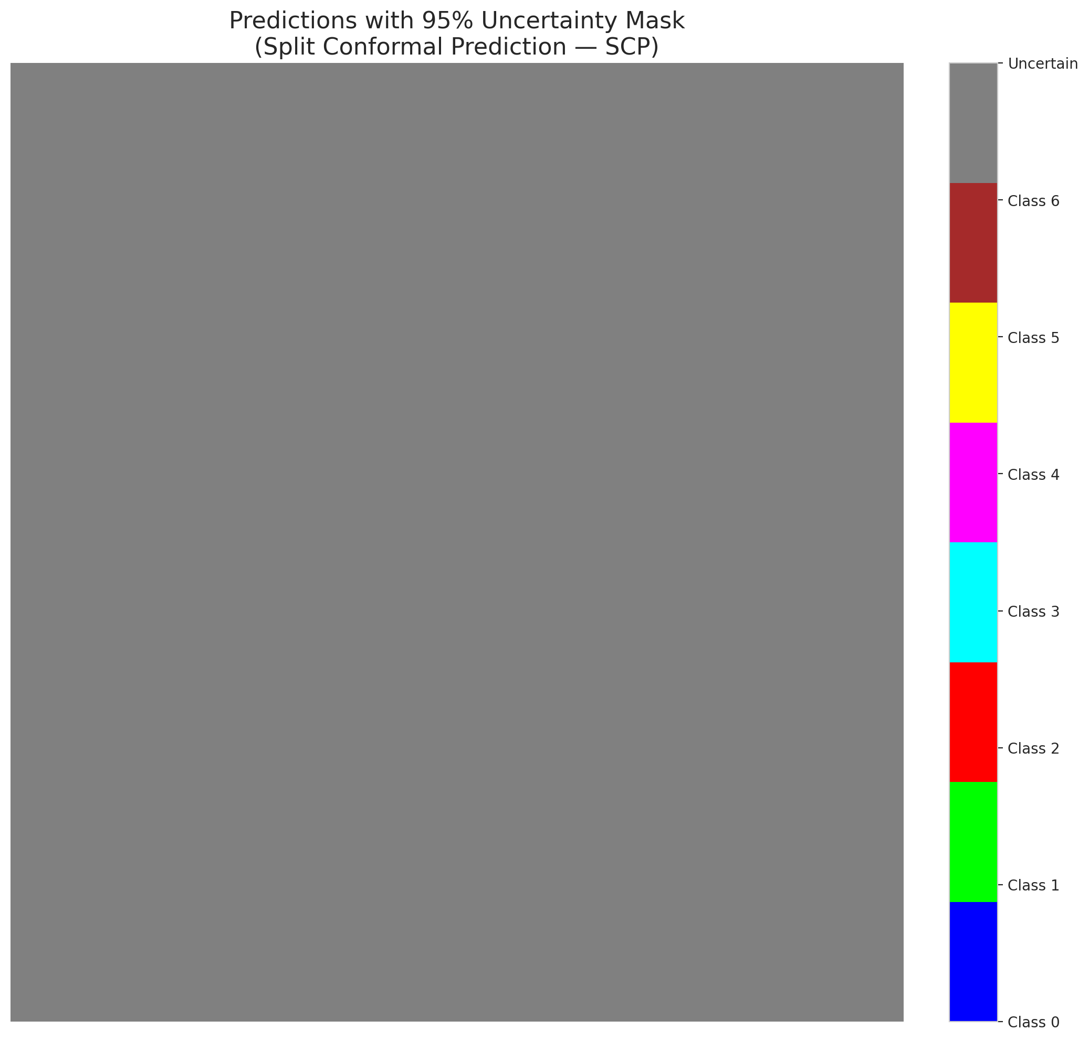

 |  |  |  |  |  |  |  |  | Pixel Counts

ClassCond_AlexNet
ClassConditionalConformal - AlexNet |  |  |  |  |  |  |  |  | Per-Class Coverage

Summary
model_name | method | target_coverage | empirical_coverage | avg_set_size | median_set_size | singleton_rate | empty_set_rate | runtime_sec | alpha | lam | n_clusters | mean_per_class_coverage
AlexNet | ClassConditionalConformal | 0.95 | 1 | 7 | 7 | 0 | 0 | 1.983643717 | 0.05 |  |  | 1

Per-Class Coverage Values
class_id | class_coverage | support_count
0 | 1 | 914
1 | 1 | 454
2 | 1 | 358
3 | 1 | 156
4 | 1 | 104
5 | 1 | 101
6 | 1 | 68

Pixel Counts
class_id | label | pixel_count
0 | Class 0 | 0
1 | Class 1 | 0
2 | Class 2 | 0
3 | Class 3 | 0
4 | Class 4 | 0 |  |  |  |  |  |  | Certain vs Uncertain Map

5 | Class 5 | 0
6 | Class 6 | 0
7 | Uncertain | 101310

Classwise q_hat
class_id | q_hat_classconditional
0 | 0.85714285714
1 | 0.85714285714
2 | 0.85714285714
3 | 0.85714285714
4 | 0.85714285714
5 | 0.85714285714
6 | 0.85714285714

 |  |  |  |  |  |  |  |  | Class Map with Uncertain Mask
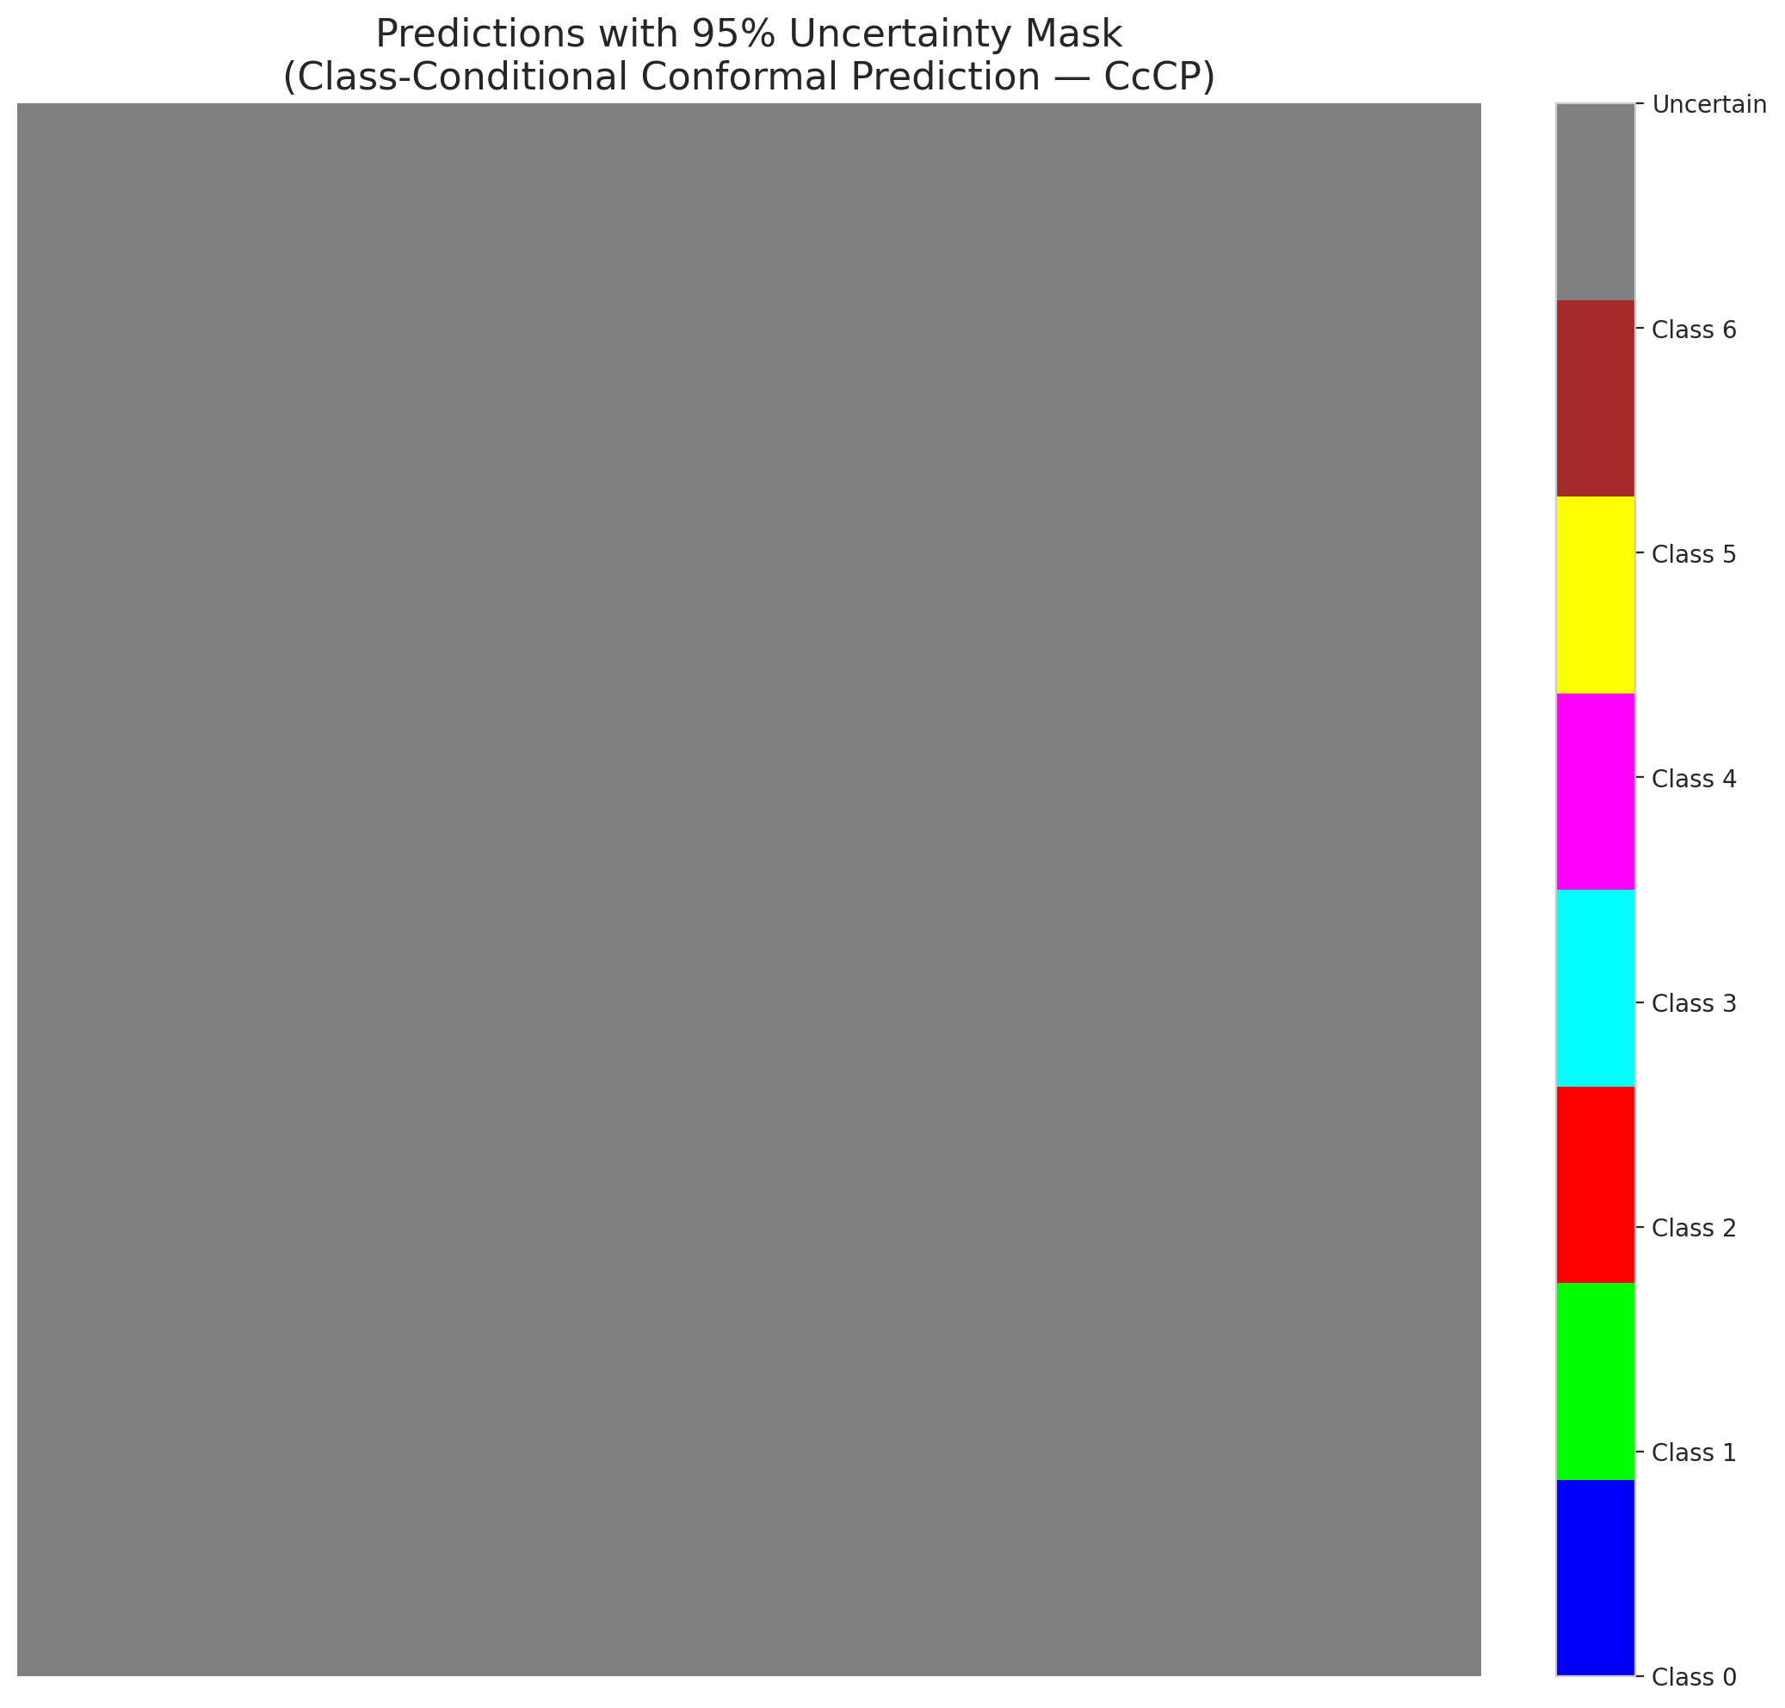

 |  |  |  |  |  |  |  |  | Pixel Counts

RC3P_AlexNet
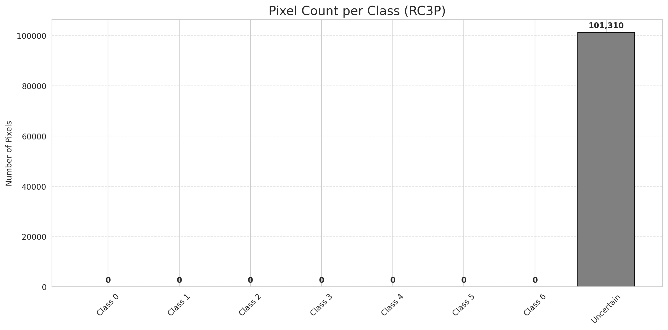
RC3P - AlexNet |  |  |  |  |  |  |  |  | Per-Class Coverage
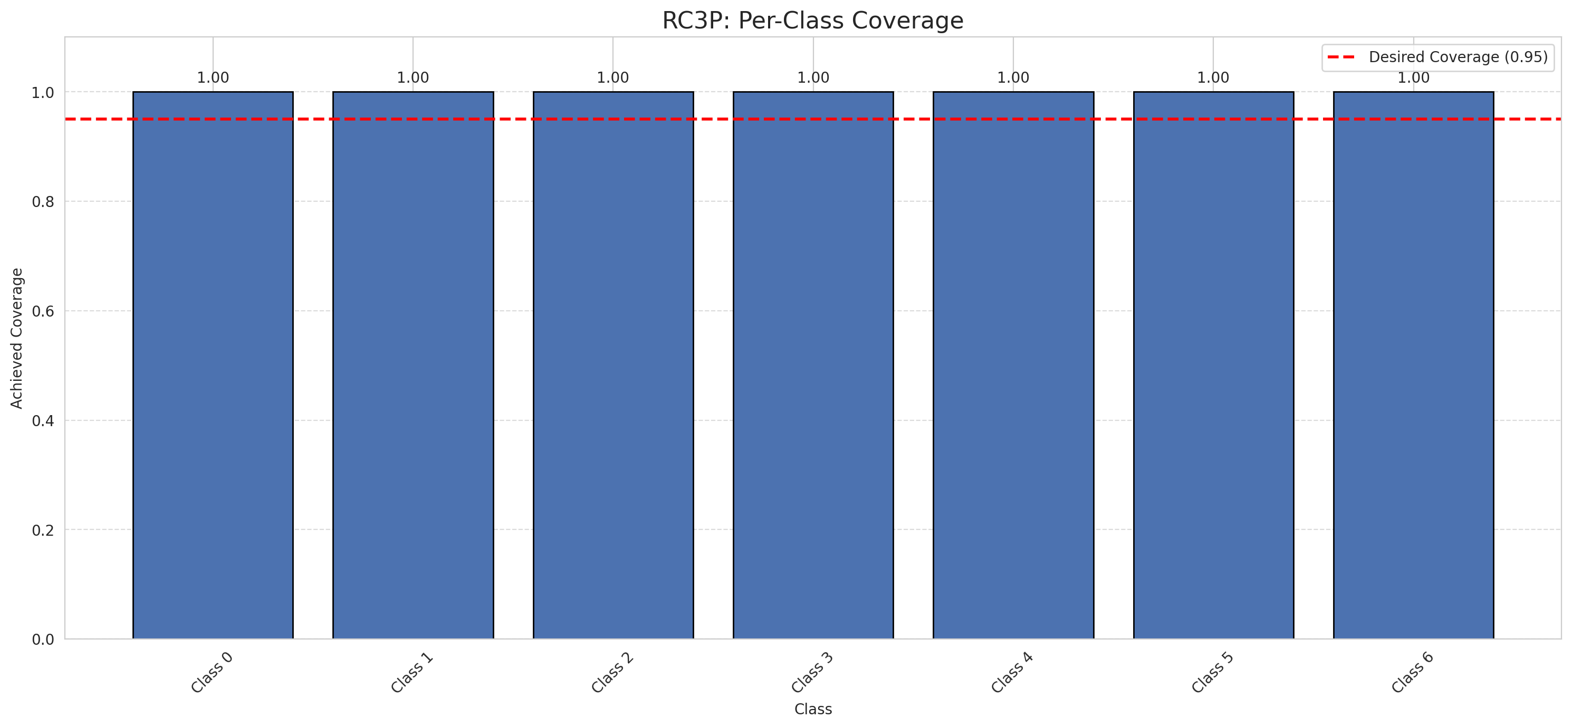
Summary
model_name | method | target_coverage | empirical_coverage | avg_set_size | median_set_size | singleton_rate | empty_set_rate | runtime_sec | alpha | lam | n_clusters | mean_per_class_coverage
AlexNet | RC3P | 0.95 | 1 | 7 | 7 | 0 | 0 | 2.675680631 | 0.05 |  |  | 1

Per-Class Coverage Values
class_id | class_coverage | support_count
0 | 1 | 914
1 | 1 | 454
2 | 1 | 358
3 | 1 | 156
4 | 1 | 104
5 | 1 | 101
6 | 1 | 68

Pixel Counts
class_id | label | pixel_count
0 | Class 0 | 0
1 | Class 1 | 0
2 | Class 2 | 0
3 | Class 3 | 0
4 | Class 4 | 0 |  |  |  |  |  |  | Certain vs Uncertain Map
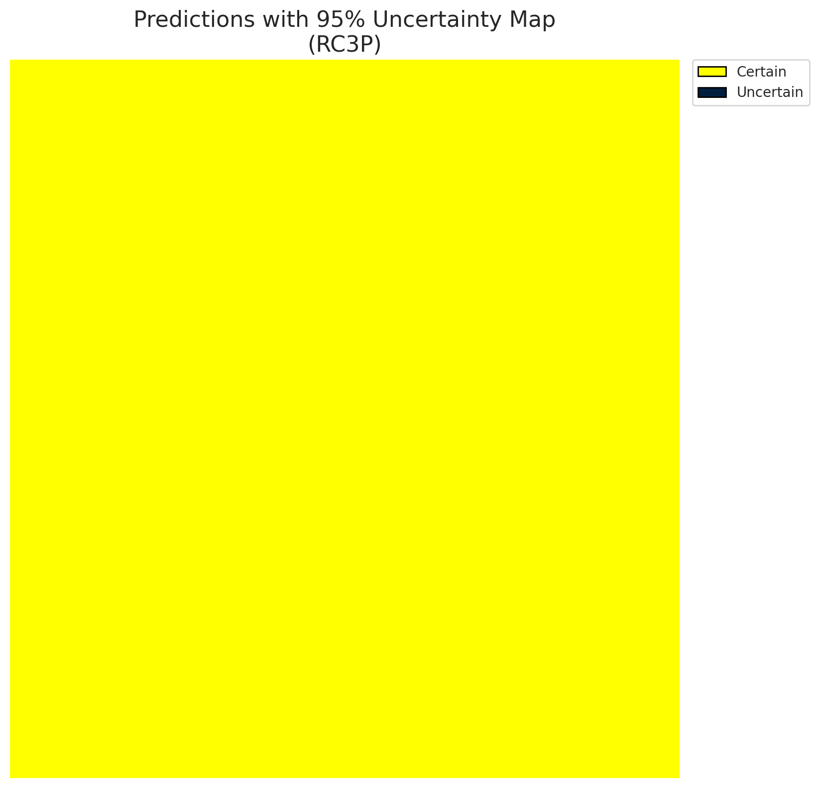
5 | Class 5 | 0
6 | Class 6 | 0
7 | Uncertain | 101310

RC3P Thresholds & Limits
class_id | q_hat_rc3p | suit_index_limit
0 | 0.85714285714 | 1
1 | 0.85714285714 | 2
2 | 0.85714285714 | 3
3 | 0.85714285714 | 4
4 | 0.85714285714 | 5
5 | 0.85714285714 | 6
6 | 0.85714285714 | 7

 |  |  |  |  |  |  |  |  | Class Map with Uncertain Mask
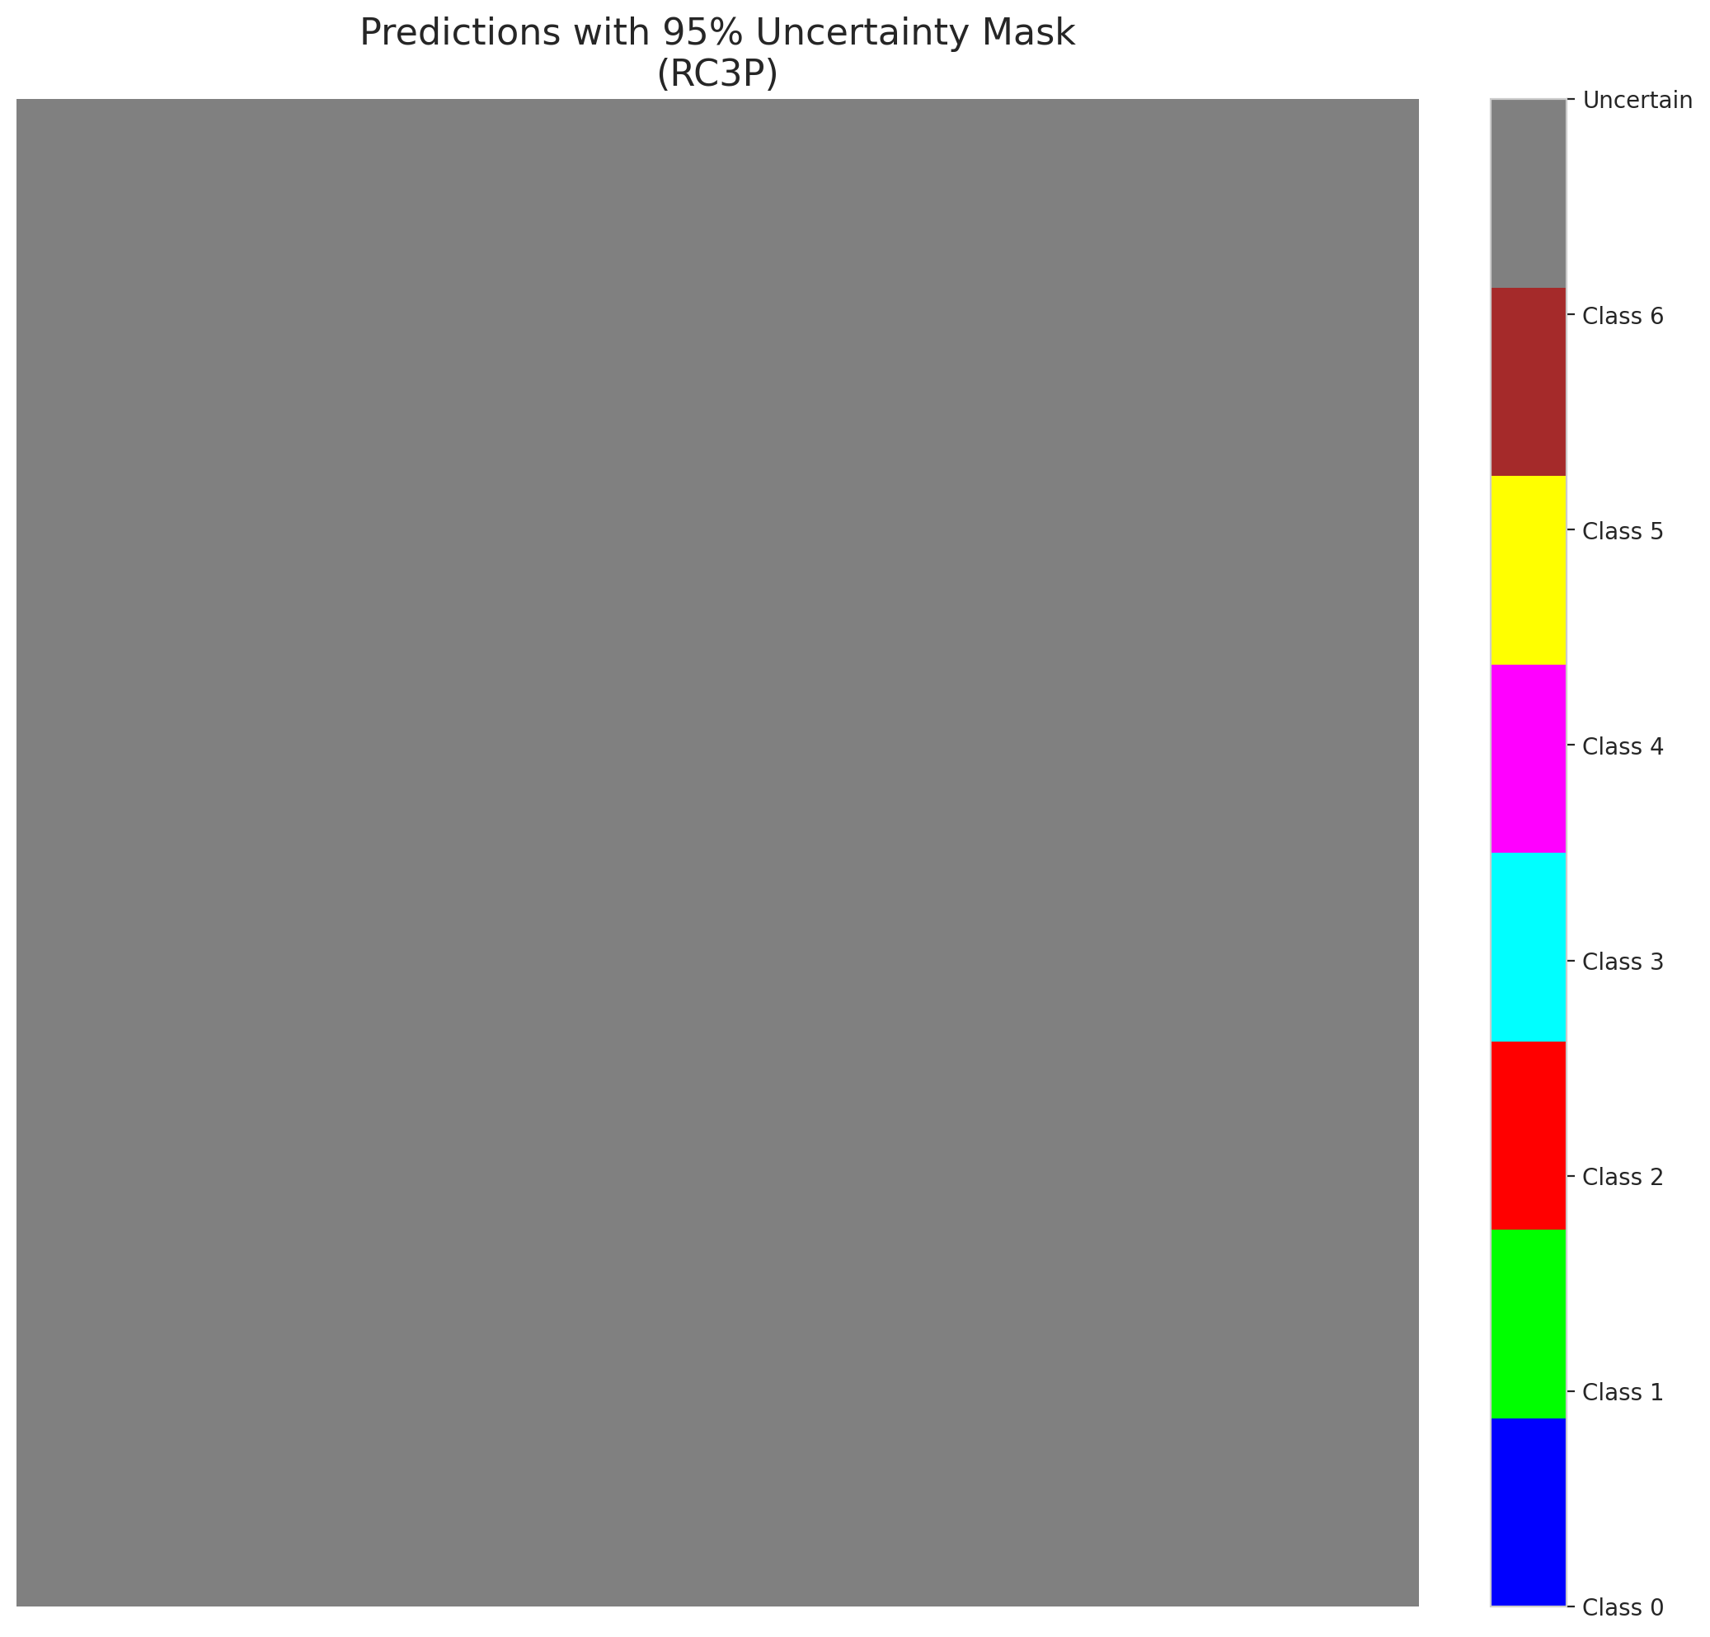

 |  |  |  |  |  |  |  |  | Pixel Counts

Clustered_AlexNet
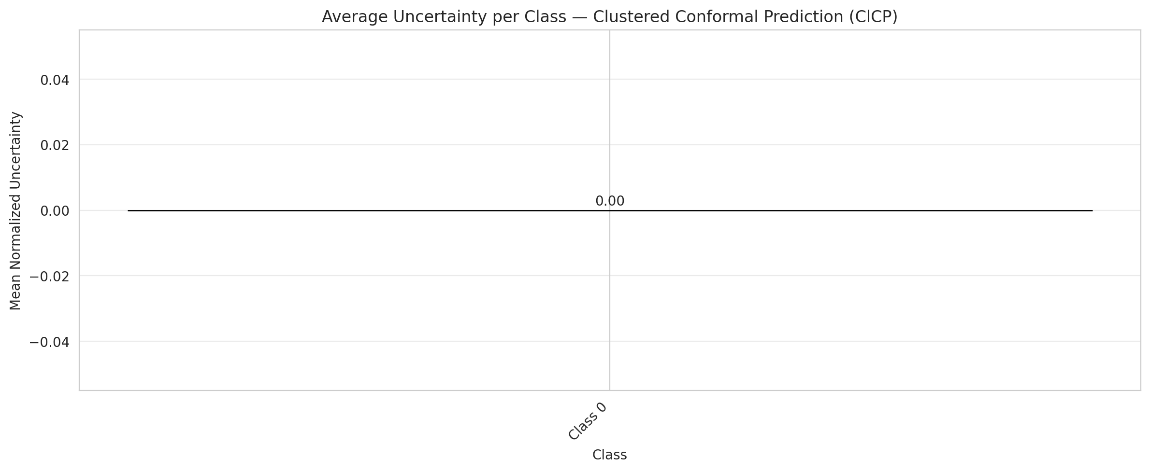
ClusteredConformal - AlexNet |  |  |  |  |  |  |  |  | Per-Class Coverage
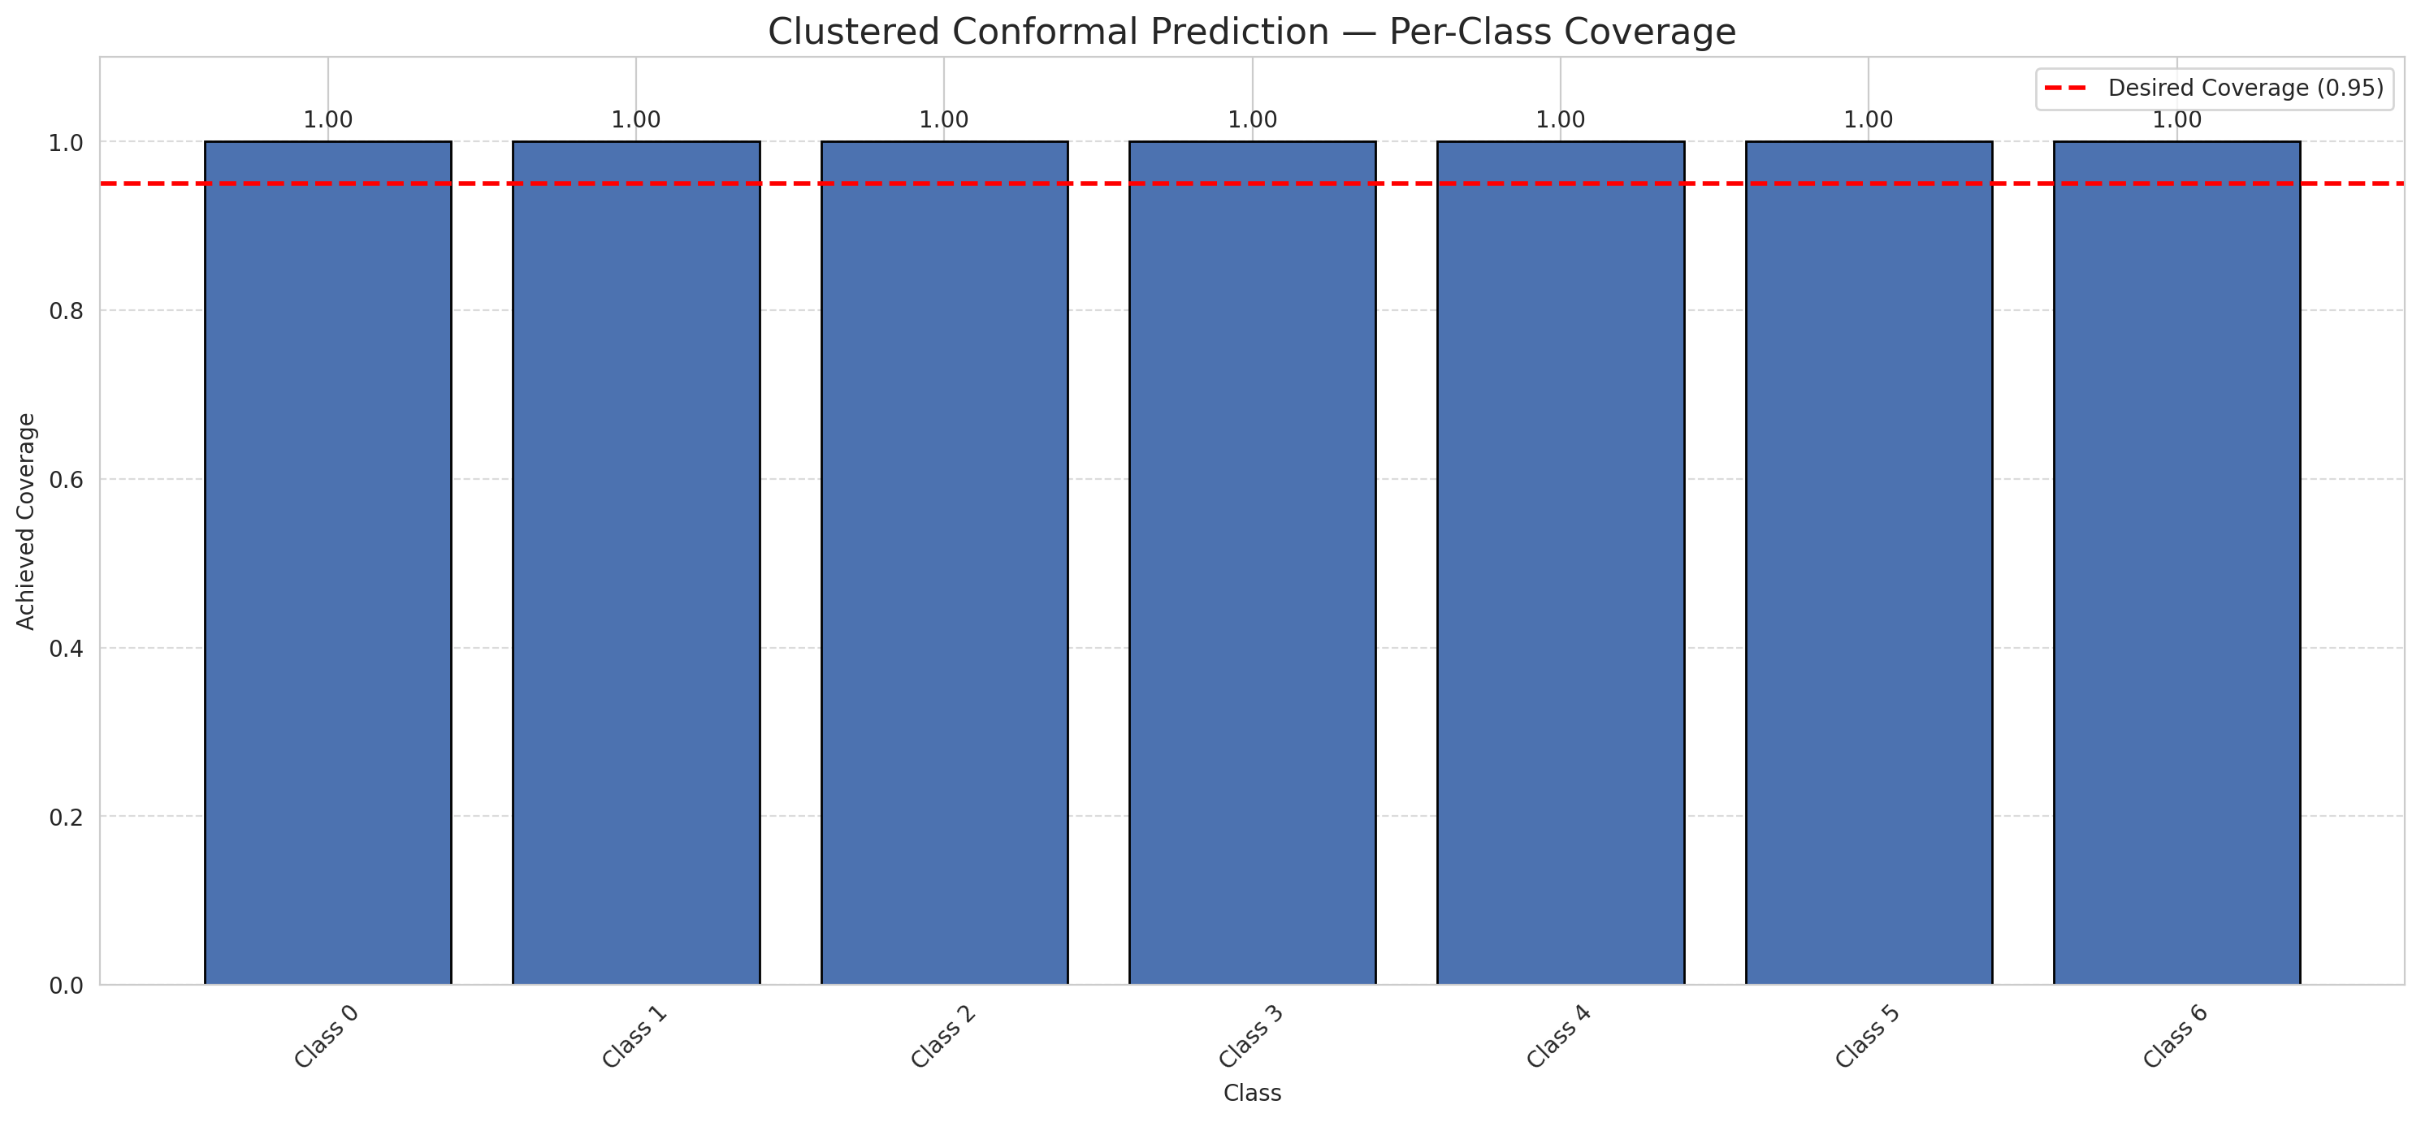
Summary
model_name | method | target_coverage | empirical_coverage | avg_set_size | median_set_size | singleton_rate | empty_set_rate | runtime_sec | alpha | lam | n_clusters | mean_per_class_coverage
AlexNet | ClusteredConformal | 0.95 | 1 | 7 | 7 | 0 | 0 | 3.558762329 | 0.05 |  | 4 | 1

Per-Class Coverage Values
class_id | class_coverage | support_count
0 | 1 | 914
1 | 1 | 454
2 | 1 | 358
3 | 1 | 156
4 | 1 | 104
5 | 1 | 101
6 | 1 | 68

Class-to-Cluster Assignment
class_id | cluster_id
0 | 0
1 | 1
2 | 1
3 | 1
4 | 2 |  |  |  |  |  |  |  | Uncertainty Distribution
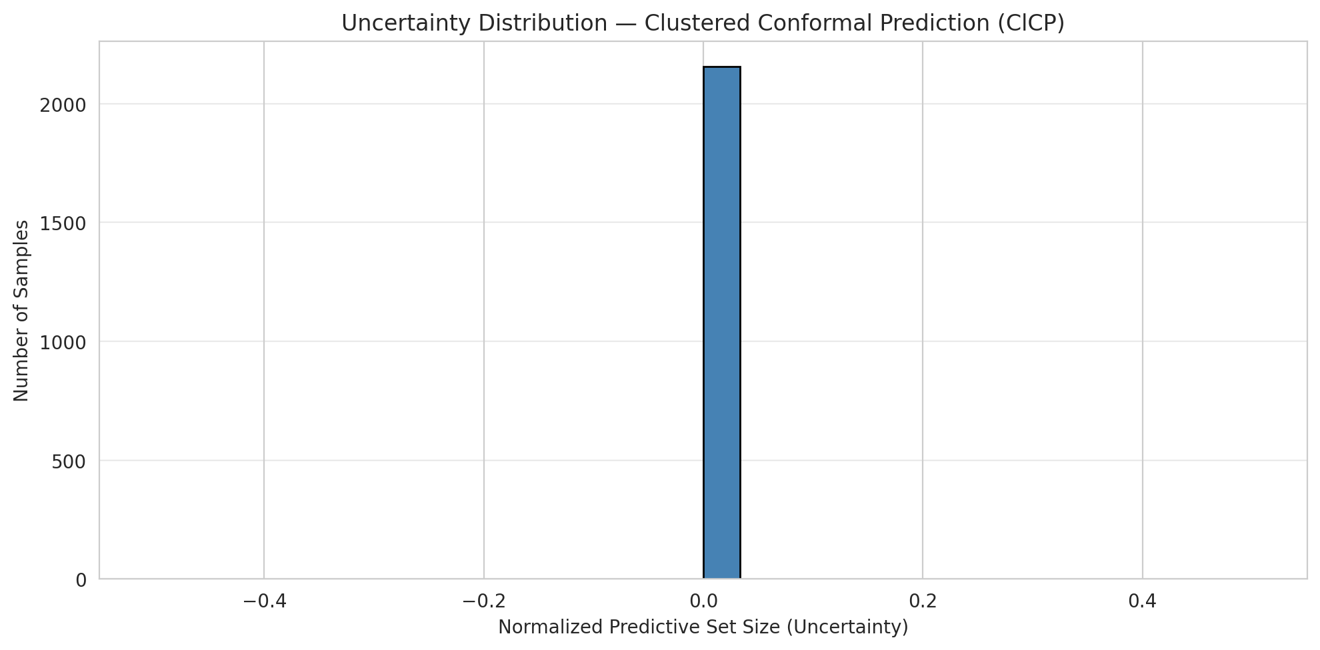
5 | 1
6 | 3

Cluster q_hat
cluster_id | q_hat_cluster
0 | 0.85714285714
1 | 0.85714285714
2 | 0.85714285714
3 | 0.85714285714

Cluster Mean Uncertainty
cluster | uncertainty
0 | 0

Class Mean Uncertainty
class_id | uncertainty
0 | 0

 |  |  |  |  |  |  |  |  | Avg Uncertainty per Cluster
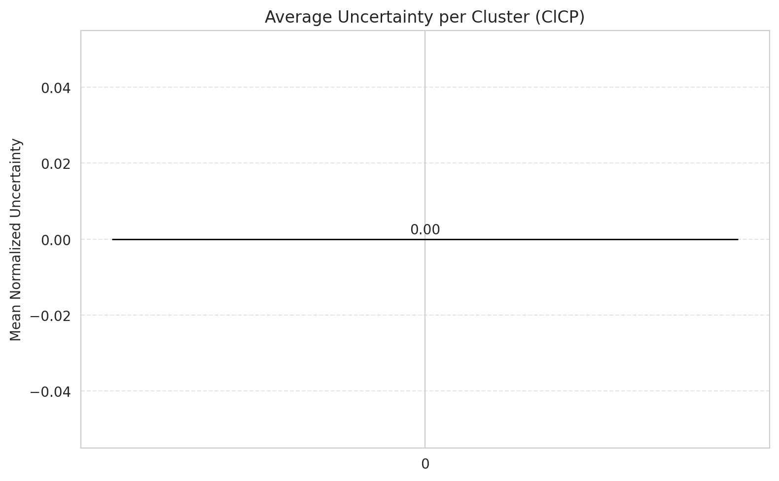

 |  |  |  |  |  |  |  |  | Avg Uncertainty per Class

RAPS_AlexNet
RAPS - AlexNet |  |  |  |  |  |  |  |  | Per-Class Coverage

Summary
model_name | method | target_coverage | empirical_coverage | avg_set_size | median_set_size | singleton_rate | empty_set_rate | runtime_sec | alpha | lam | n_clusters | mean_per_class_coverage
AlexNet | RAPS | 0.95 | 1 | 7 | 7 | 0 | 0 | 0.414902436 | 0.05 | 0.01 |  | 1

Per-Class Coverage Values
class_id | class_coverage | support_count
0 | 1 | 914
1 | 1 | 454
2 | 1 | 358
3 | 1 | 156
4 | 1 | 104
5 | 1 | 101
6 | 1 | 68

RAPS Parameters
q_hat_raps | lambda | k_reg
0.90714285714 | 0.01 | 1

Clustered_GFNet
ClusteredConformal - GFNet |  |  |  |  |  |  |  |  | Per-Class Coverage

Summary
model_name | method | target_coverage | empirical_coverage | avg_set_size | median_set_size | singleton_rate | empty_set_rate | runtime_sec | alpha | lam | n_clusters | mean_per_class_coverage
GFNet | ClusteredConformal | 0.95 | 1 | 7 | 7 | 0 | 0 | 5.15505056 | 0.05 |  | 4 | 1

Per-Class Coverage Values
class_id | class_coverage | support_count
0 | 1 | 914
1 | 1 | 454
2 | 1 | 358
3 | 1 | 156
4 | 1 | 104
5 | 1 | 101
6 | 1 | 68

Class-to-Cluster Assignment
class_id | cluster_id
0 | 2
1 | 3
2 | 1
3 | 1
4 | 1 |  |  |  |  |  |  |  | Uncertainty Distribution
5 | 1
6 | 0

Cluster q_hat
cluster_id | q_hat_cluster
0 | 0.85714285714
1 | 0.85714285714
2 | 0.85714285714
3 | 0.85714285714

Cluster Mean Uncertainty
cluster | uncertainty
2 | 0

Class Mean Uncertainty
class_id | uncertainty
0 | 0

 |  |  |  |  |  |  |  |  | Avg Uncertainty per Cluster


 |  |  |  |  |  |  |  |  | Avg Uncertainty per Class

Compare_Clustered
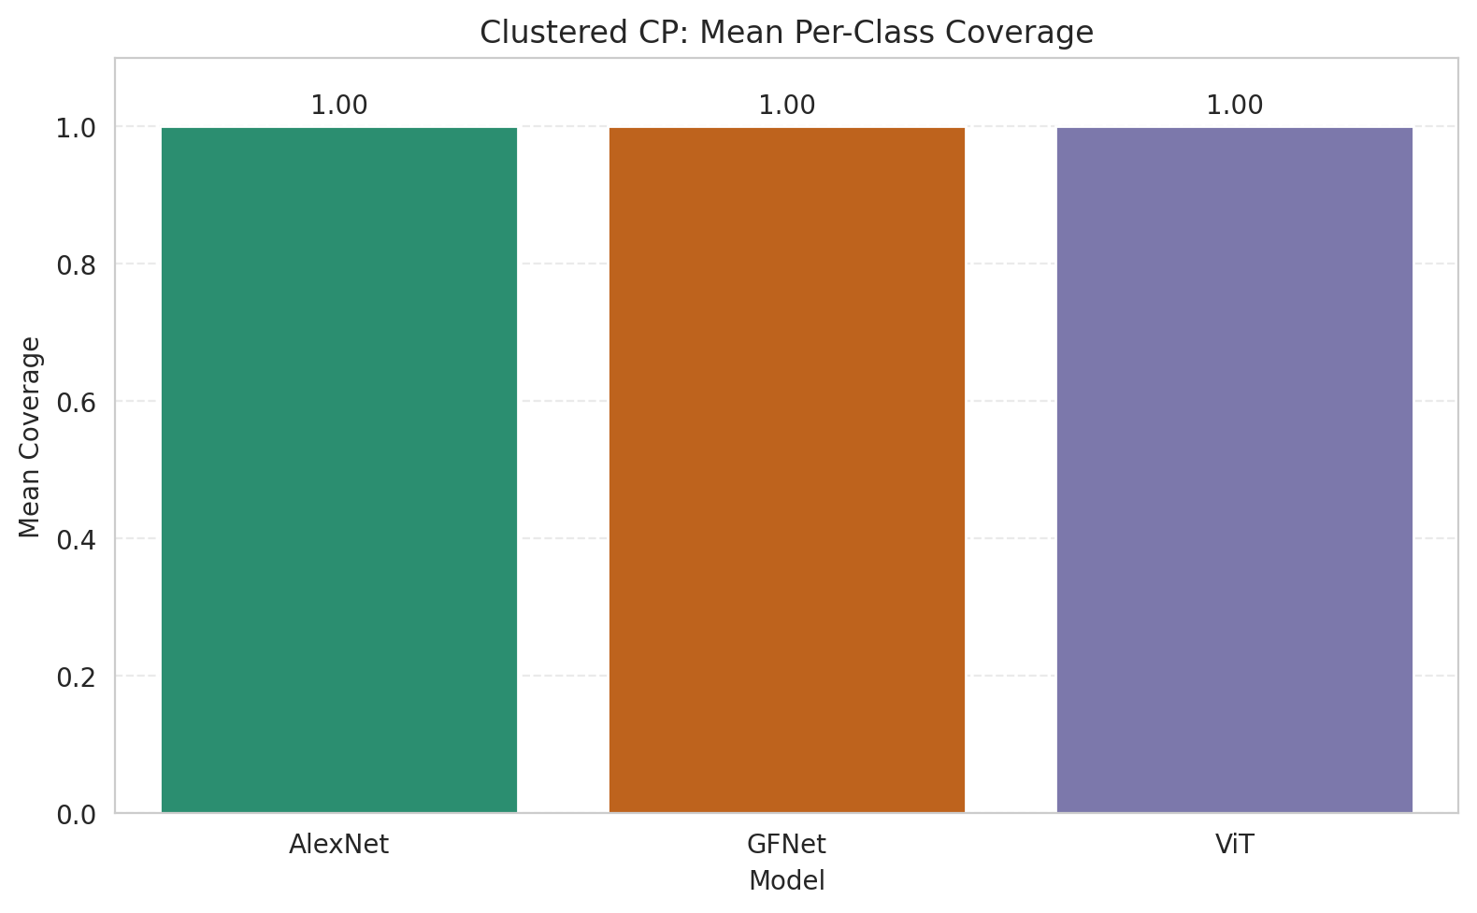
Clustered CP: 3-Model Comparison

model_name | method | target_coverage | empirical_coverage | avg_set_size | median_set_size | singleton_rate | empty_set_rate | model_name | mean_per_class_coverage | lam | n_clusters | mean_per_class_coverage
AlexNet | ClusteredConformal | 0.95 | 1 | 7 | 7 | 0 | 0 | AlexNet | 1 |  | 4 | 1
GFNet | ClusteredConformal | 0.95 | 1 | 7 | 7 | 0 | 0 | GFNet | 1 |  | 4 | 1
ViT | ClusteredConformal | 0.95 | 1 | 7 | 7 | 0 | 0 | ViT | 1 |  | 4 | 1

Grouped Metrics Comparison

Mean Per-Class Coverage Comparison

Compare_RAPS
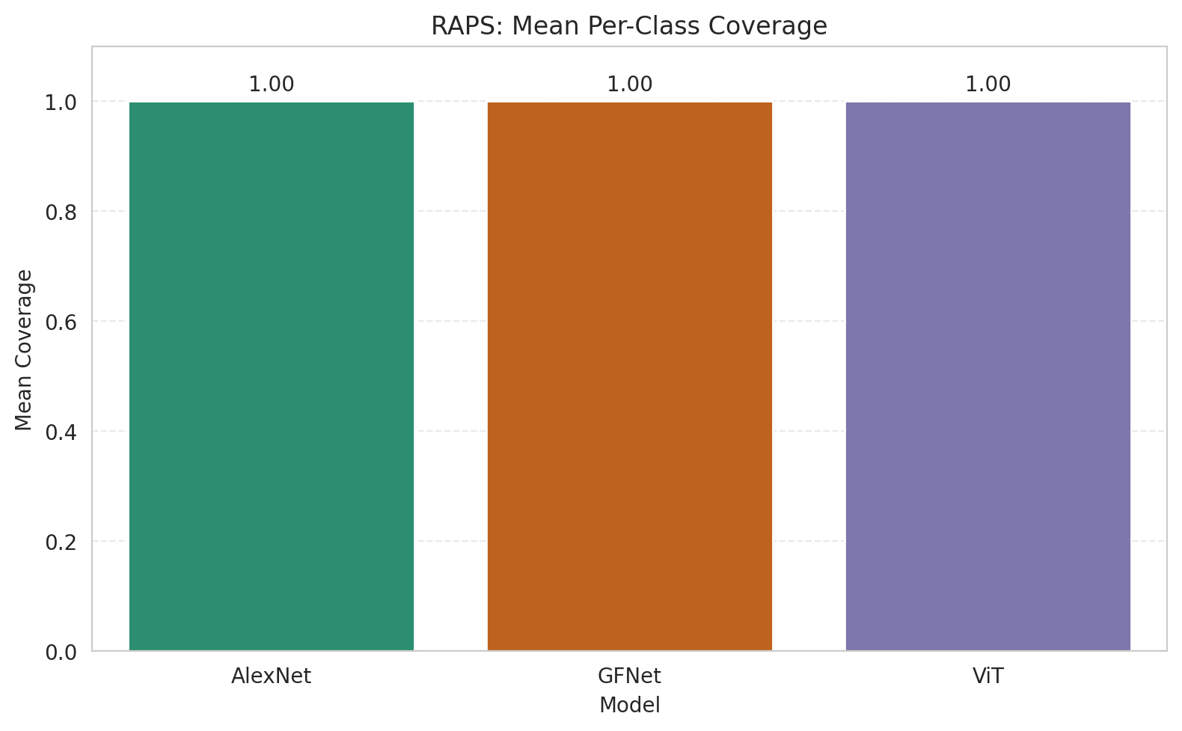
RAPS: 3-Model Comparison

model_name | method | target_coverage | empirical_coverage | avg_set_size | median_set_size | singleton_rate | empty_set_rate | model_name | mean_per_class_coverage | lam | n_clusters | mean_per_class_coverage
AlexNet | RAPS | 0.95 | 1 | 7 | 7 | 0 | 0 | AlexNet | 1 | 0.01 |  | 1
GFNet | RAPS | 0.95 | 1 | 7 | 7 | 0 | 0 | GFNet | 1 | 0.01 |  | 1
ViT | RAPS | 0.95 | 1 | 7 | 7 | 0 | 0 | ViT | 1 | 0.01 |  | 1

Grouped Metrics Comparison

Mean Per-Class Coverage Comparison

