Split_AlexNet
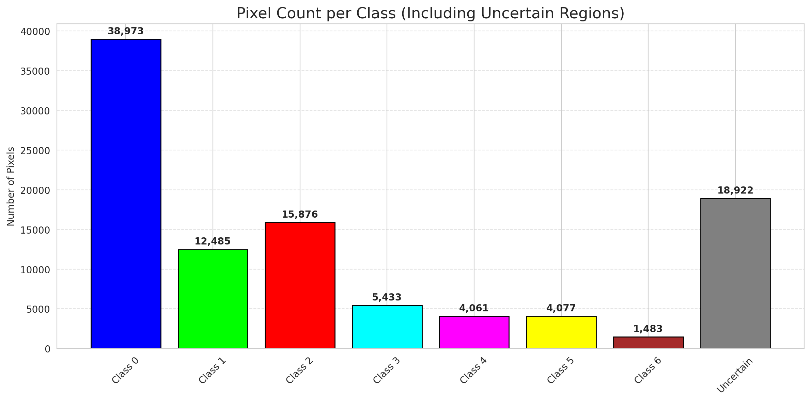
SplitConformal - AlexNet |  |  |  |  |  |  |  |  | Per-Class Coverage
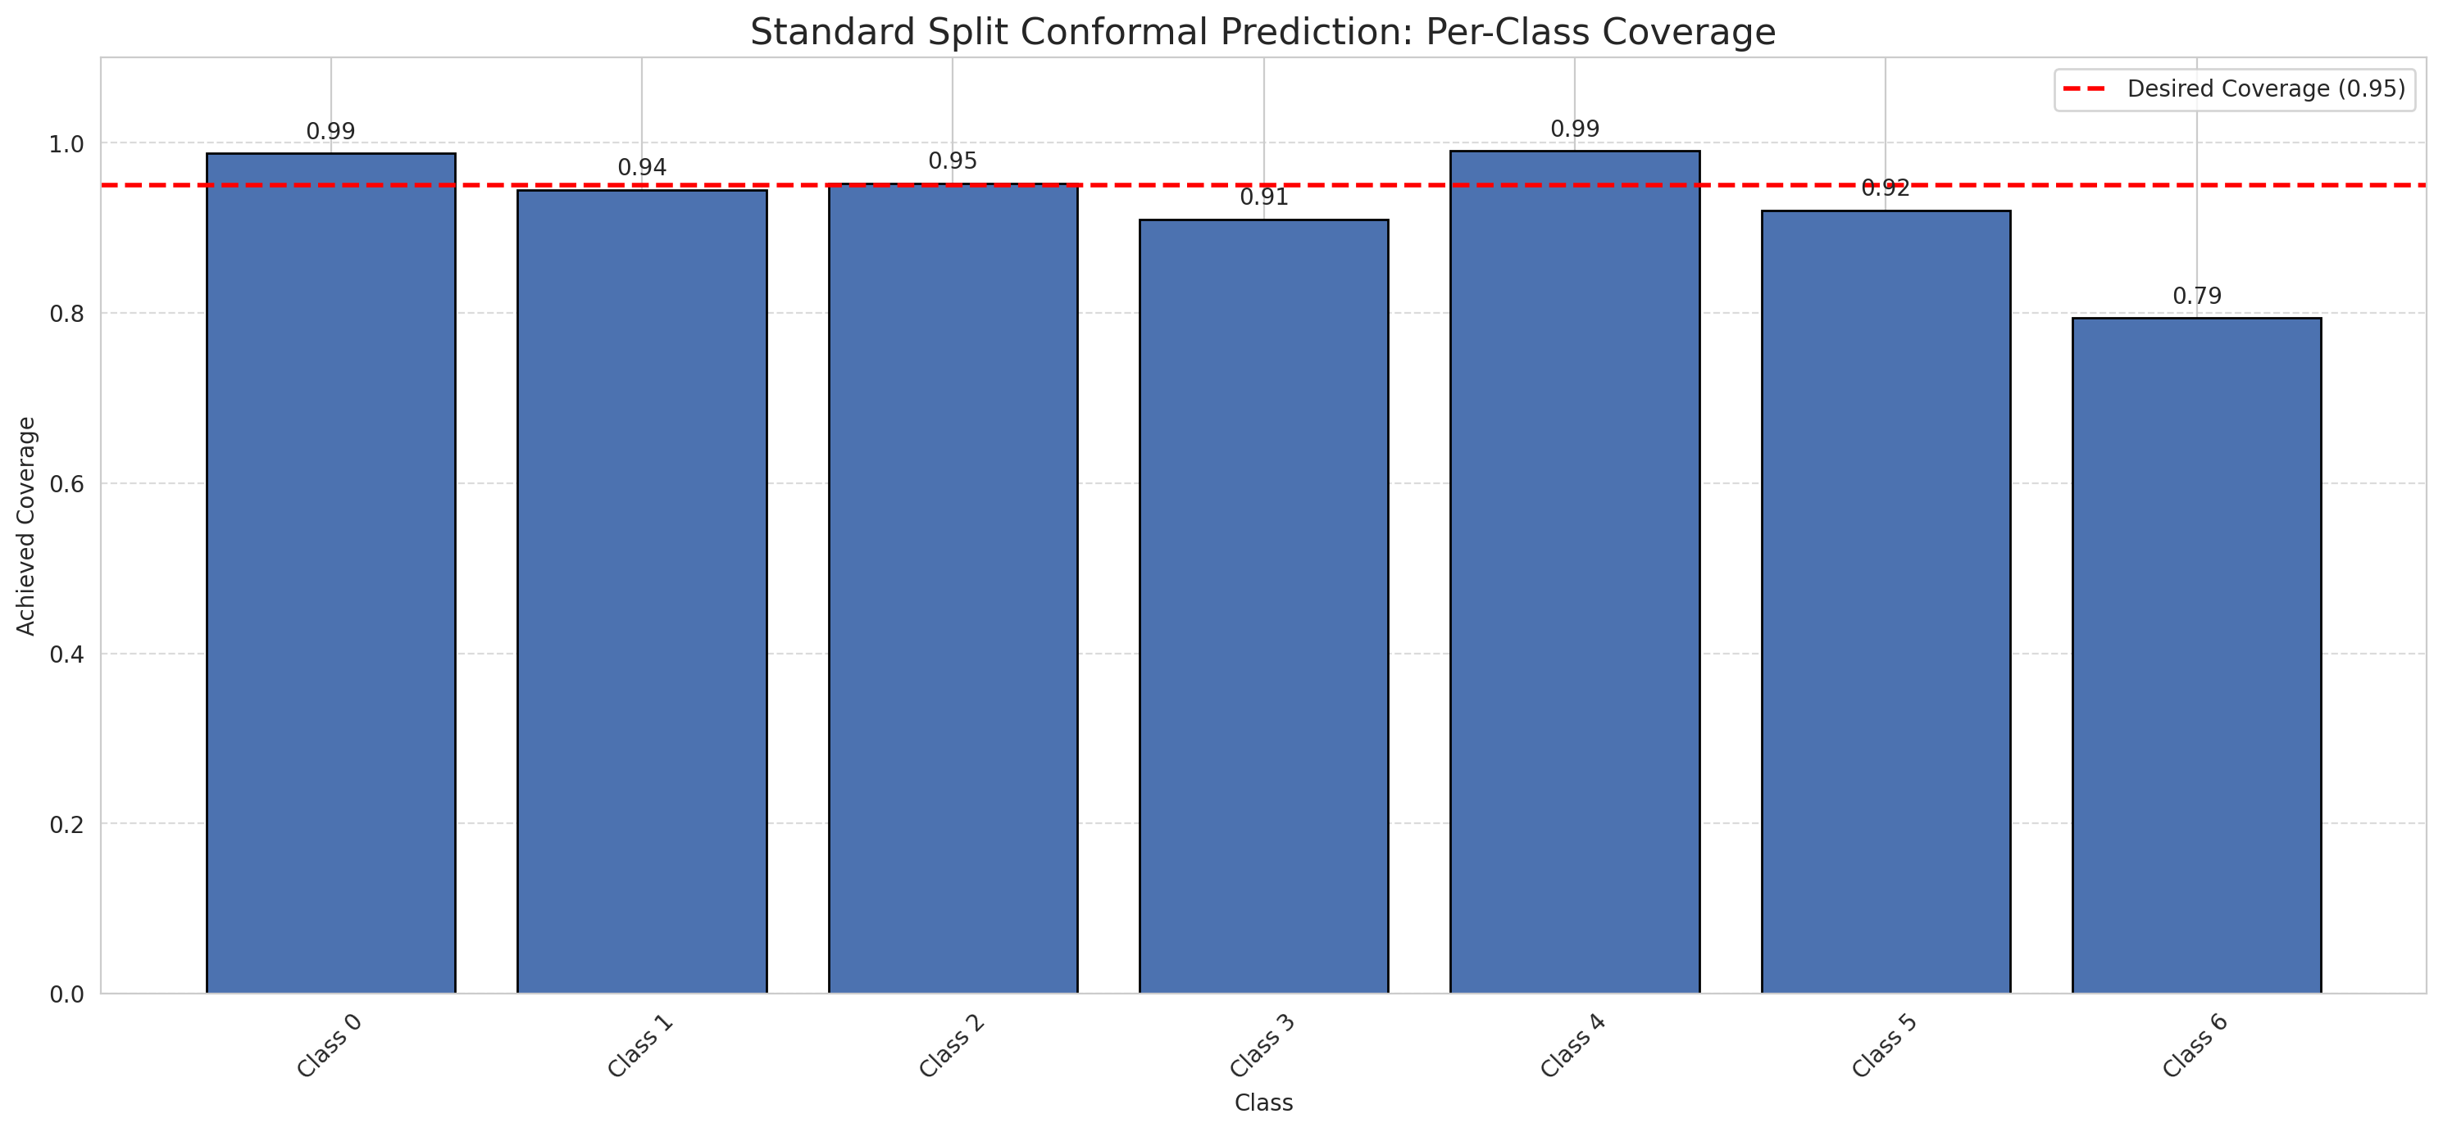
Summary
model_name | method | target_coverage | empirical_coverage | avg_set_size | median_set_size | singleton_rate | empty_set_rate | runtime_sec | alpha | lam | n_clusters | mean_per_class_coverage
AlexNet | SplitConformal | 0.95 | 0.95823665893 | 0.9596287703 | 1 | 0.9596287703 | 0.040371229698 | 1.694172449 | 0.05 |  |  | 0.92870908974

Per-Class Coverage Values
class_id | class_coverage | support_count
0 | 0.98796498906 | 914
1 | 0.9449339207 | 454
2 | 0.95251396648 | 358
3 | 0.91025641026 | 156
4 | 0.99038461538 | 104
5 | 0.92079207921 | 101
6 | 0.79411764706 | 68

Pixel Counts
class_id | label | pixel_count
0 | Class 0 | 38973
1 | Class 1 | 12485
2 | Class 2 | 15876
3 | Class 3 | 5433
4 | Class 4 | 4061 |  |  |  |  |  |  | Certain vs Uncertain Map
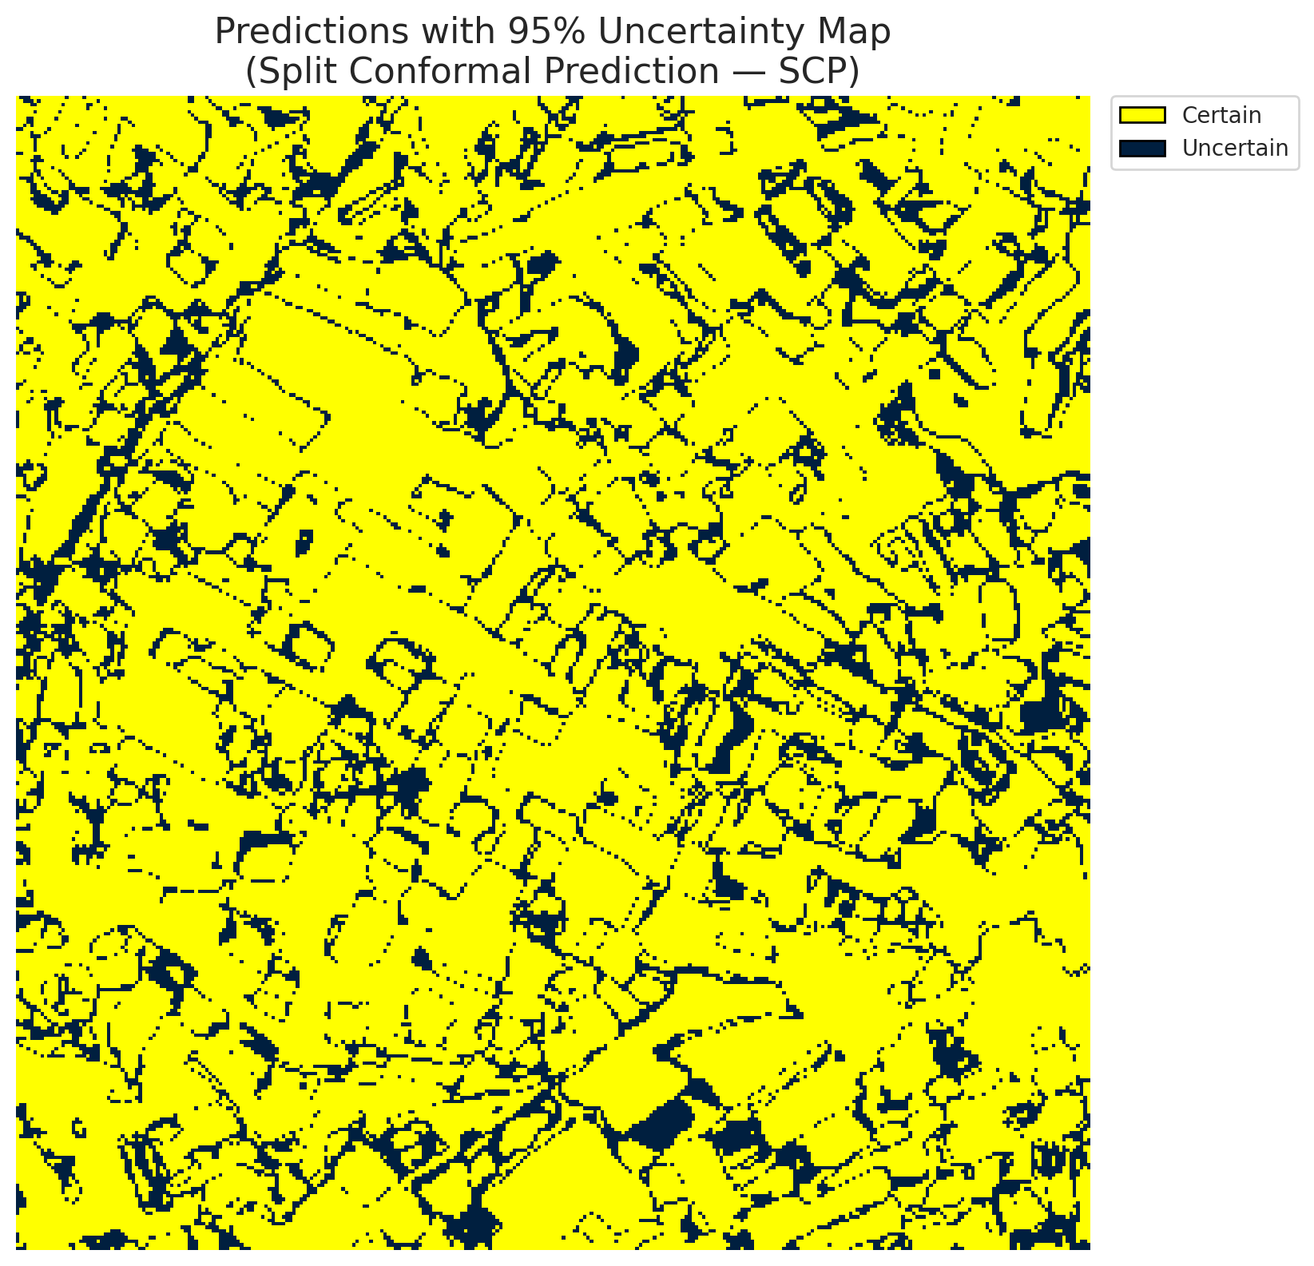
5 | Class 5 | 4077
6 | Class 6 | 1483
7 | Uncertain | 18922

Threshold
q_hat_split
0.33475801108

 |  |  |  |  |  |  |  |  | Class Map with Uncertain Mask
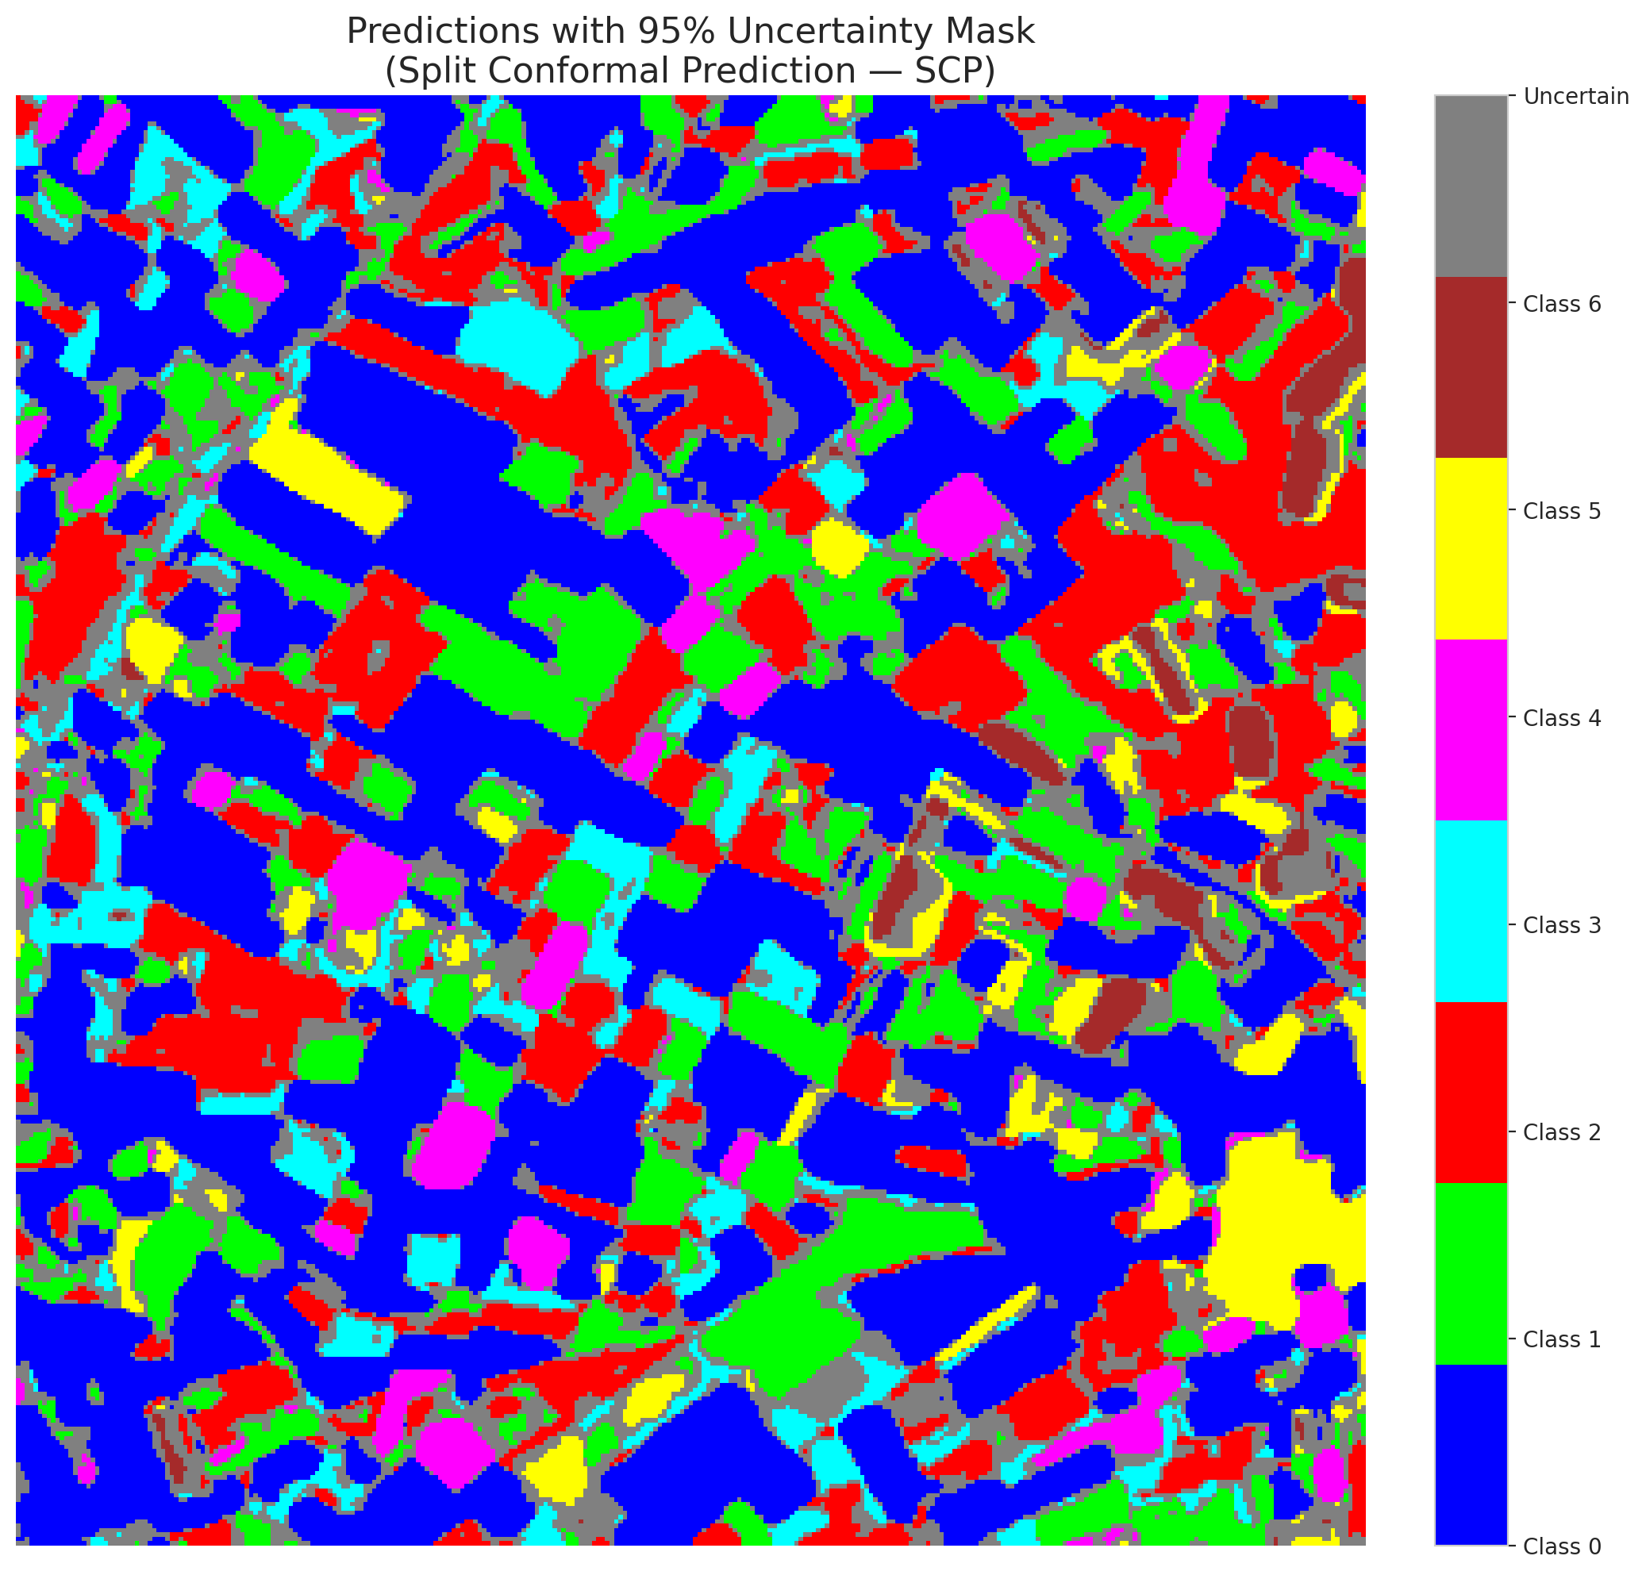

 |  |  |  |  |  |  |  |  | Pixel Counts

ClassCond_AlexNet
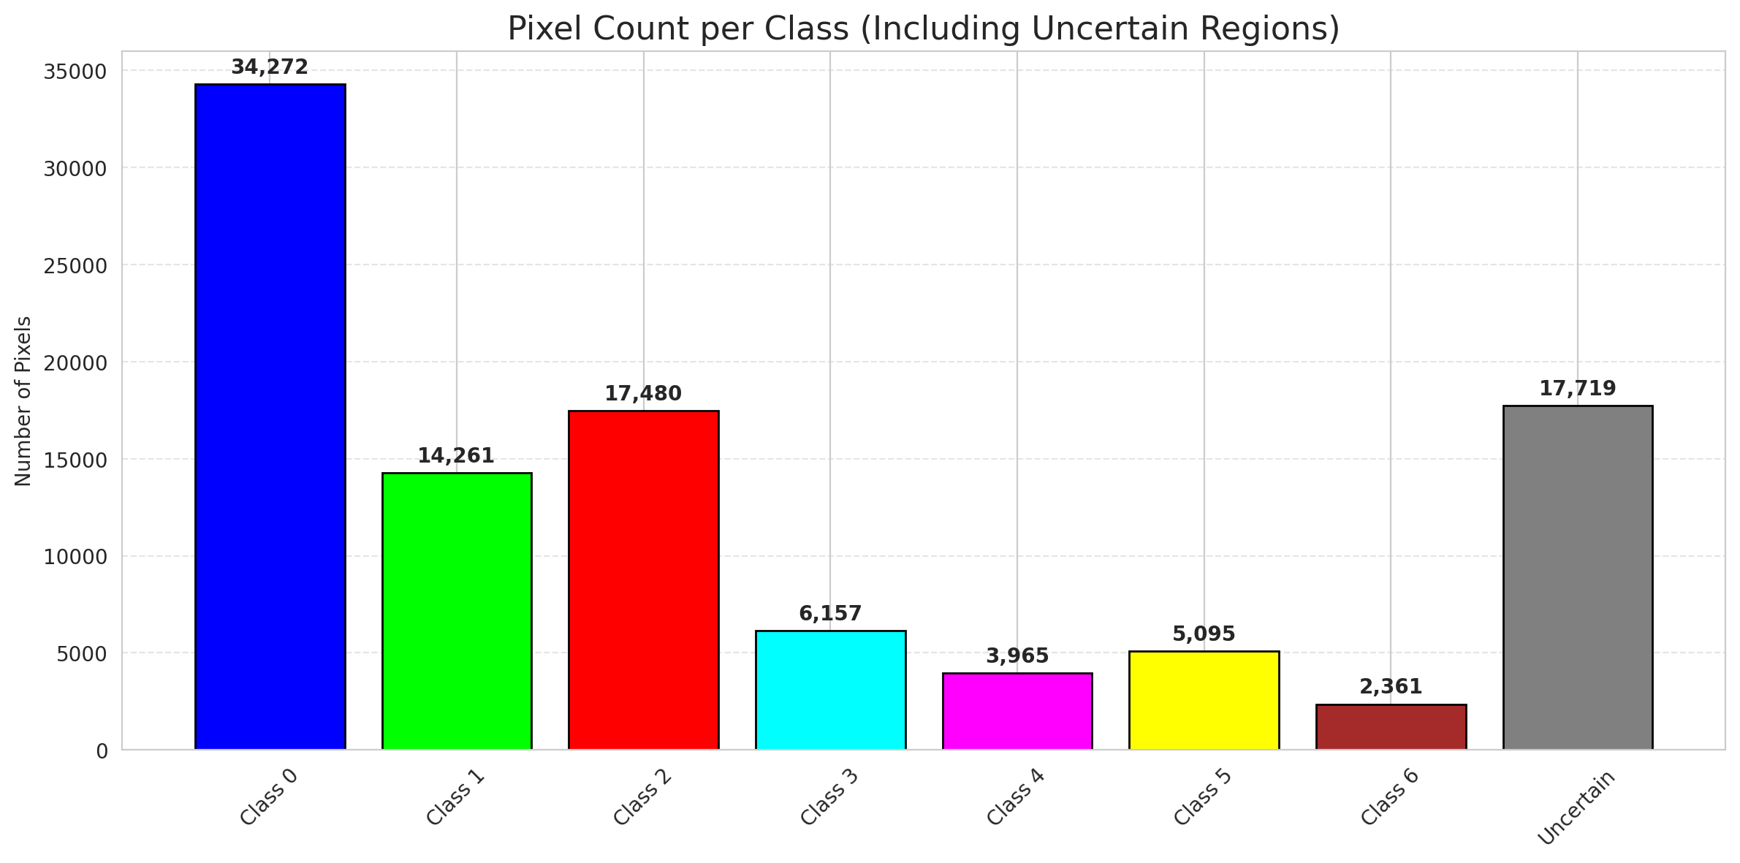
ClassConditionalConformal - AlexNet |  |  |  |  |  |  |  |  | Per-Class Coverage
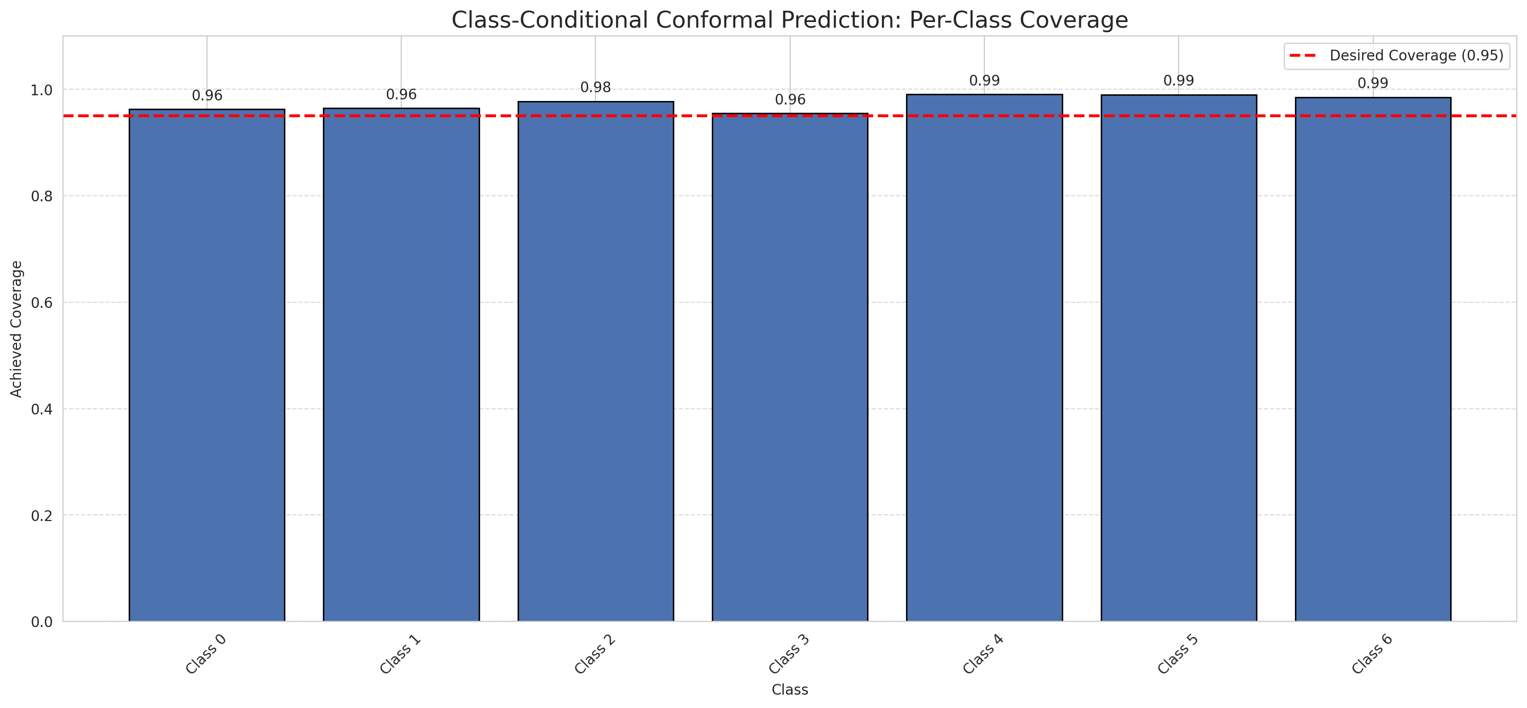
Summary
model_name | method | target_coverage | empirical_coverage | avg_set_size | median_set_size | singleton_rate | empty_set_rate | runtime_sec | alpha | lam | n_clusters | mean_per_class_coverage
AlexNet | ClassConditionalConformal | 0.95 | 0.96844547564 | 0.97215777262 | 1 | 0.97215777262 | 0.027842227378 | 1.826466135 | 0.05 |  |  | 0.9751597377

Per-Class Coverage Values
class_id | class_coverage | support_count
0 | 0.96280087527 | 914
1 | 0.96475770925 | 454
2 | 0.97765363128 | 358
3 | 0.95512820513 | 156
4 | 0.99038461538 | 104
5 | 0.9900990099 | 101
6 | 0.98529411765 | 68

Pixel Counts
class_id | label | pixel_count
0 | Class 0 | 34272
1 | Class 1 | 14261
2 | Class 2 | 17480
3 | Class 3 | 6157
4 | Class 4 | 3965 |  |  |  |  |  |  | Certain vs Uncertain Map
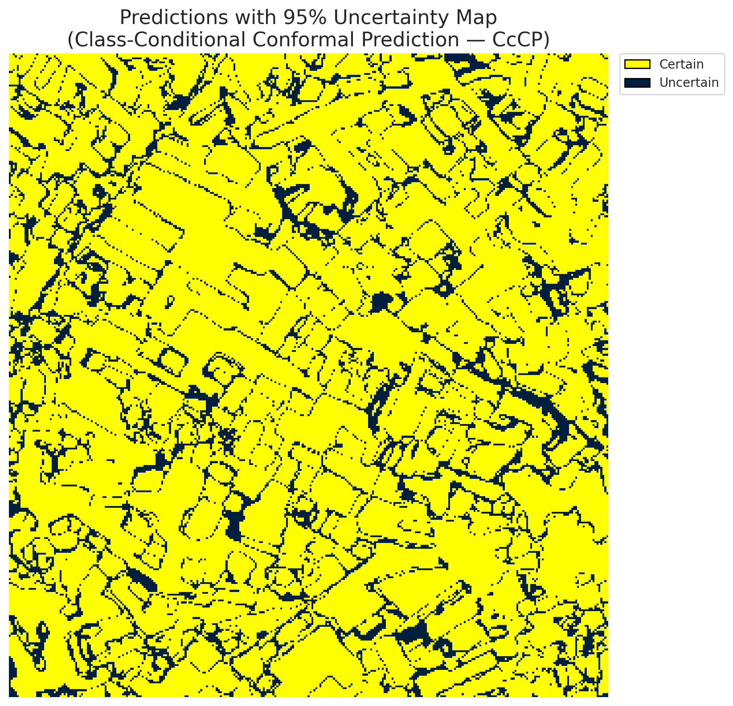
5 | Class 5 | 5095
6 | Class 6 | 2361
7 | Uncertain | 17719

Classwise q_hat
class_id | q_hat_classconditional
0 | 0.10106377697
1 | 0.42418973306
2 | 0.42082629998
3 | 0.39896381286
4 | 0.30710576134
5 | 0.46123137139
6 | 0.53700230561

 |  |  |  |  |  |  |  |  | Class Map with Uncertain Mask
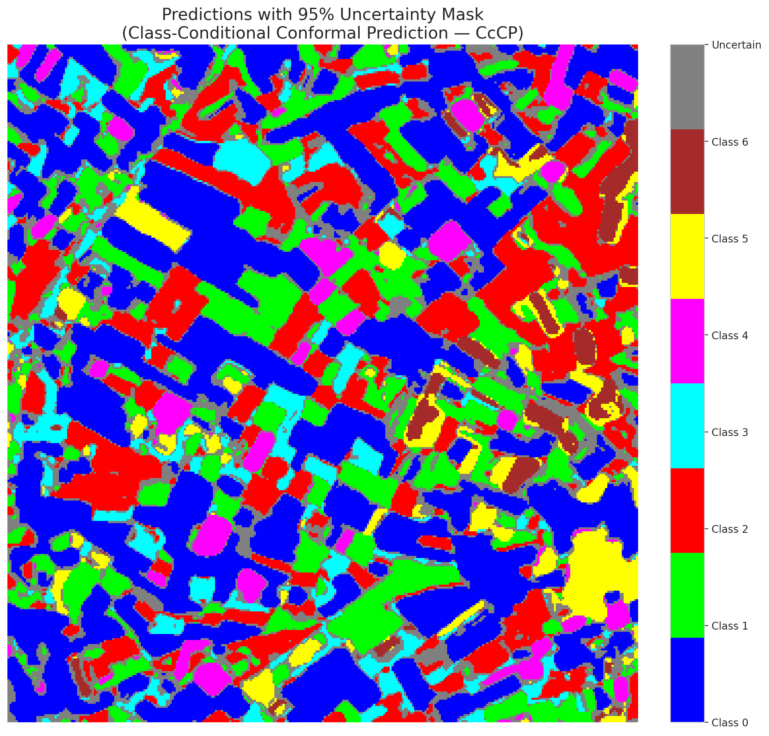

 |  |  |  |  |  |  |  |  | Pixel Counts

RC3P_AlexNet
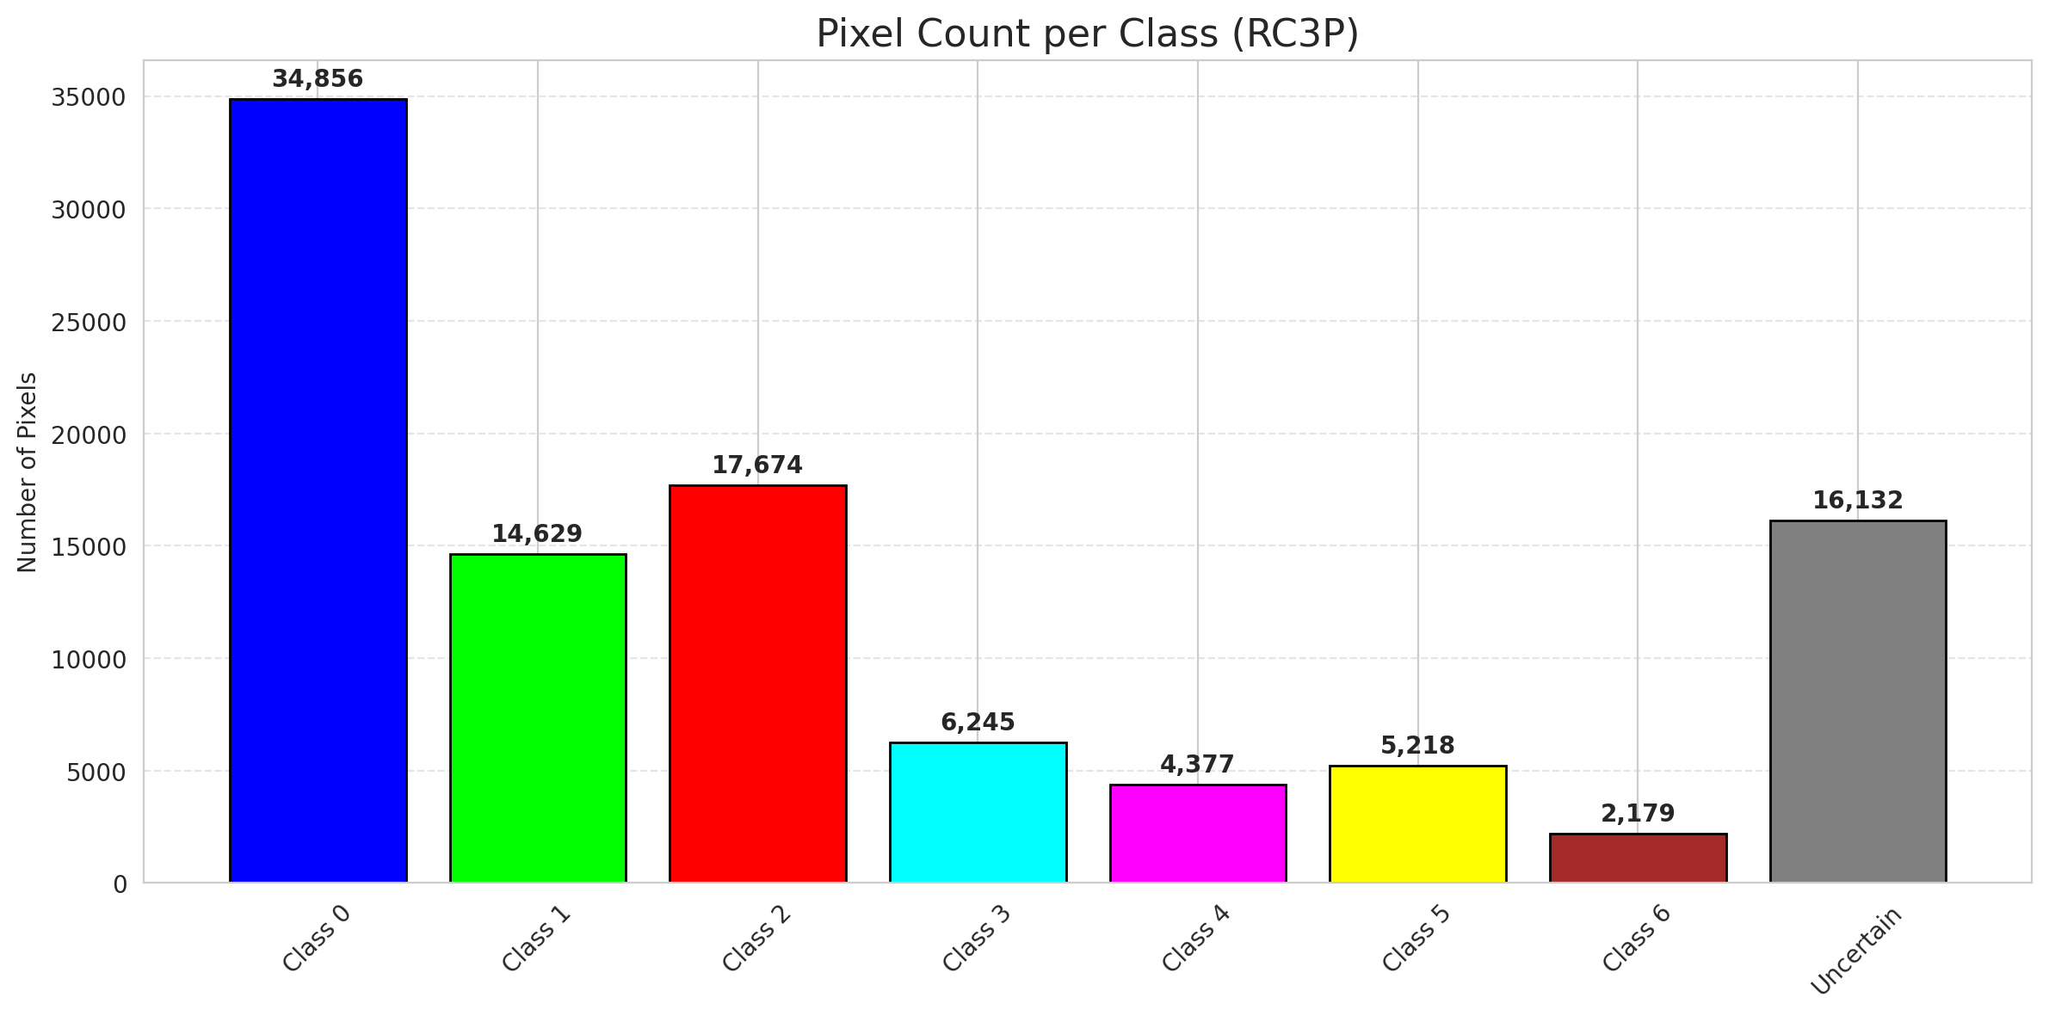
RC3P - AlexNet |  |  |  |  |  |  |  |  | Per-Class Coverage
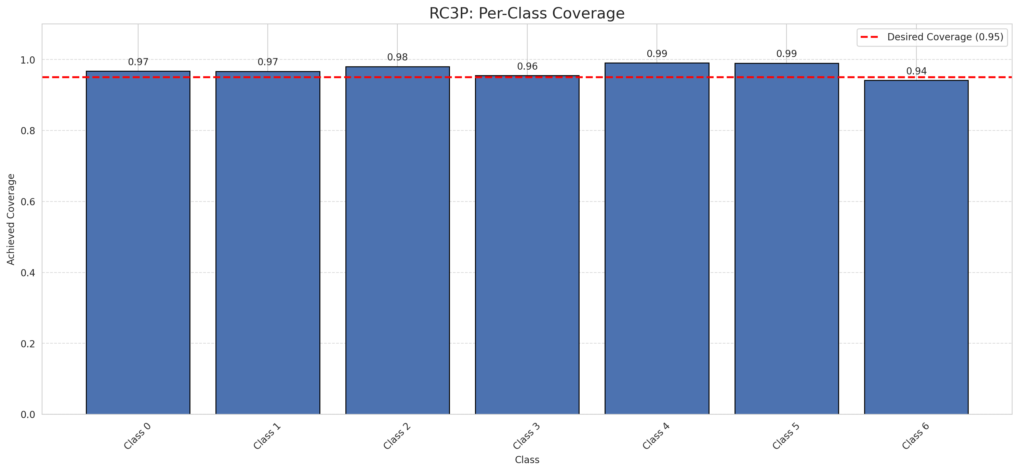
Summary
model_name | method | target_coverage | empirical_coverage | avg_set_size | median_set_size | singleton_rate | empty_set_rate | runtime_sec | alpha | lam | n_clusters | mean_per_class_coverage
AlexNet | RC3P | 0.95 | 0.96983758701 | 0.97494199536 | 1 | 0.97494199536 | 0.02505800464 | 2.428969695 | 0.05 |  |  | 0.97019611767

Per-Class Coverage Values
class_id | class_coverage | support_count
0 | 0.96717724289 | 914
1 | 0.96696035242 | 454
2 | 0.98044692737 | 358
3 | 0.95512820513 | 156
4 | 0.99038461538 | 104
5 | 0.9900990099 | 101
6 | 0.94117647059 | 68

Pixel Counts
class_id | label | pixel_count
0 | Class 0 | 34856
1 | Class 1 | 14629
2 | Class 2 | 17674
3 | Class 3 | 6245
4 | Class 4 | 4377 |  |  |  |  |  |  | Certain vs Uncertain Map
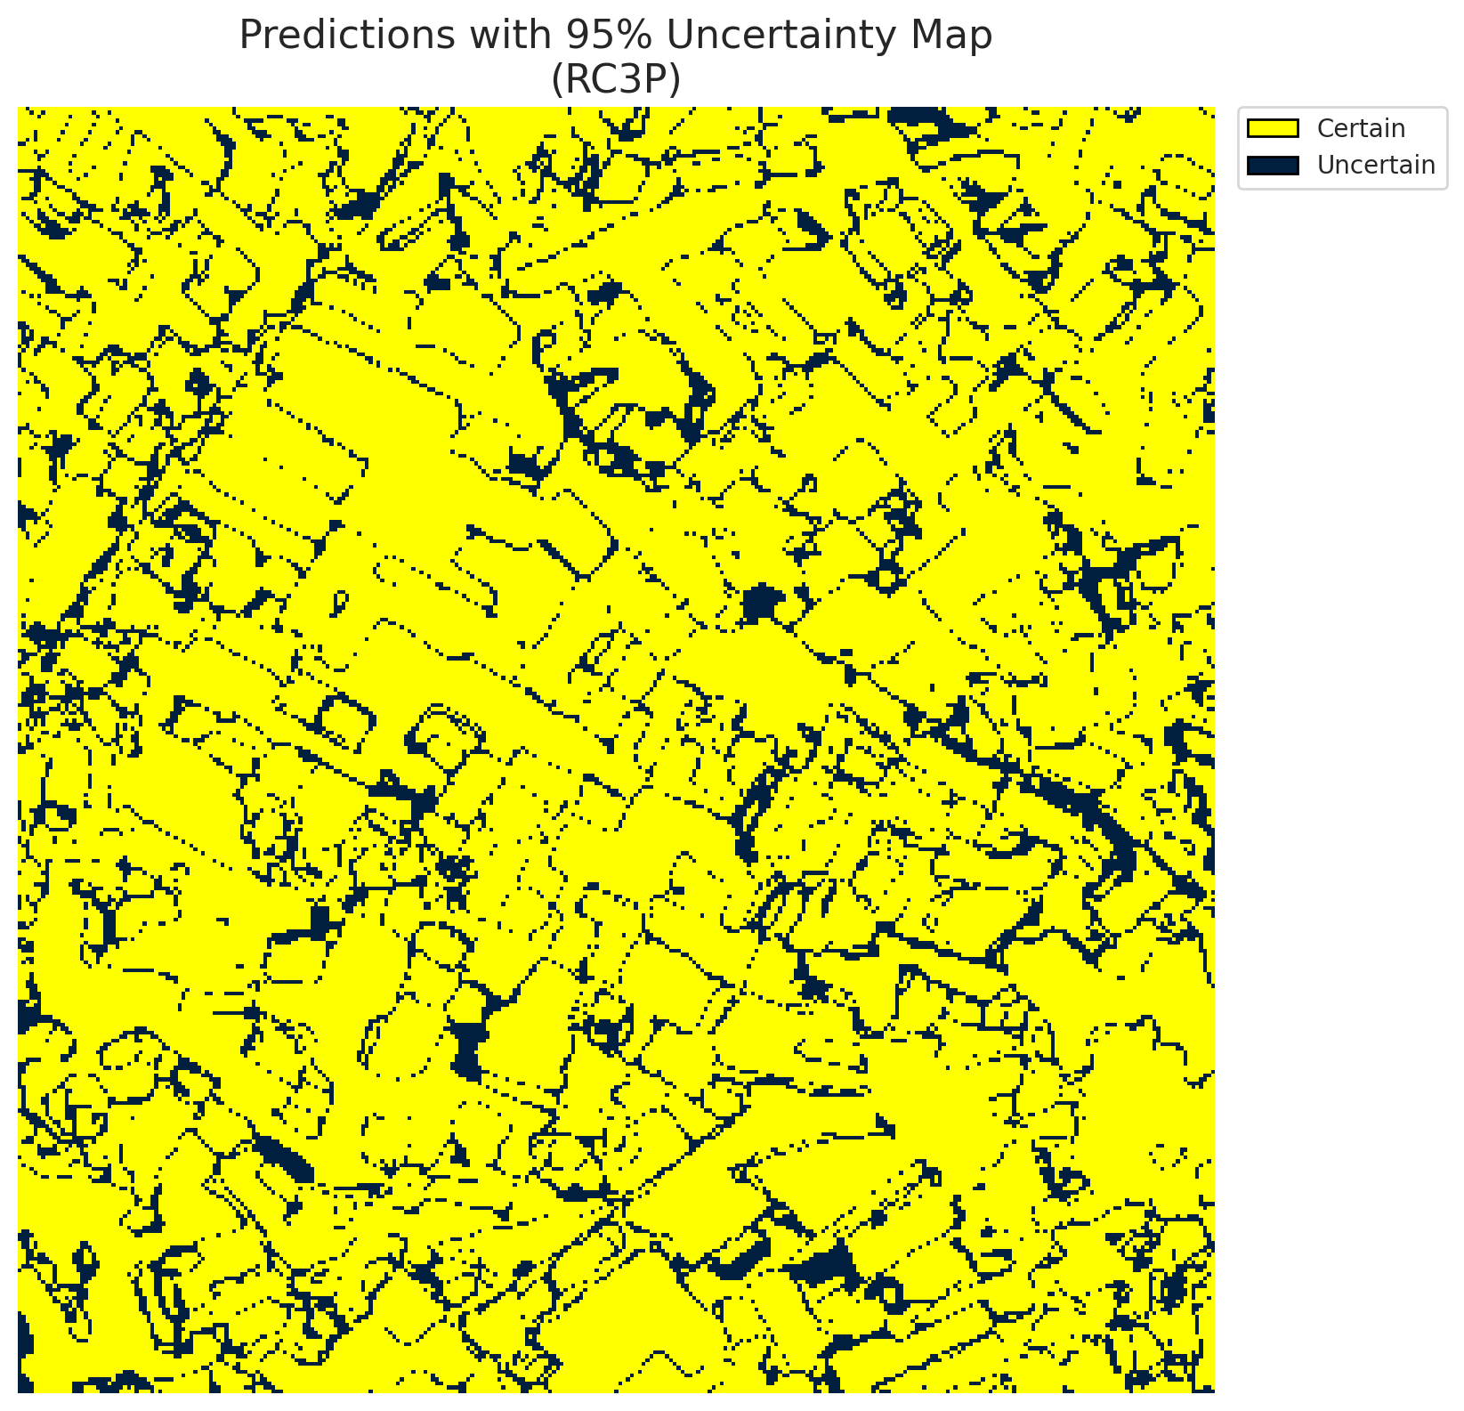
5 | Class 5 | 5218
6 | Class 6 | 2179
7 | Uncertain | 16132

RC3P Thresholds & Limits
class_id | q_hat_rc3p | suit_index_limit
0 | 0.11810383845 | 1
1 | 0.44203108634 | 1
2 | 0.43145122316 | 1
3 | 0.40596368124 | 1
4 | 0.42874807119 | 1
5 | 0.49100614044 | 1
6 | 0.48189166129 | 1

 |  |  |  |  |  |  |  |  | Class Map with Uncertain Mask
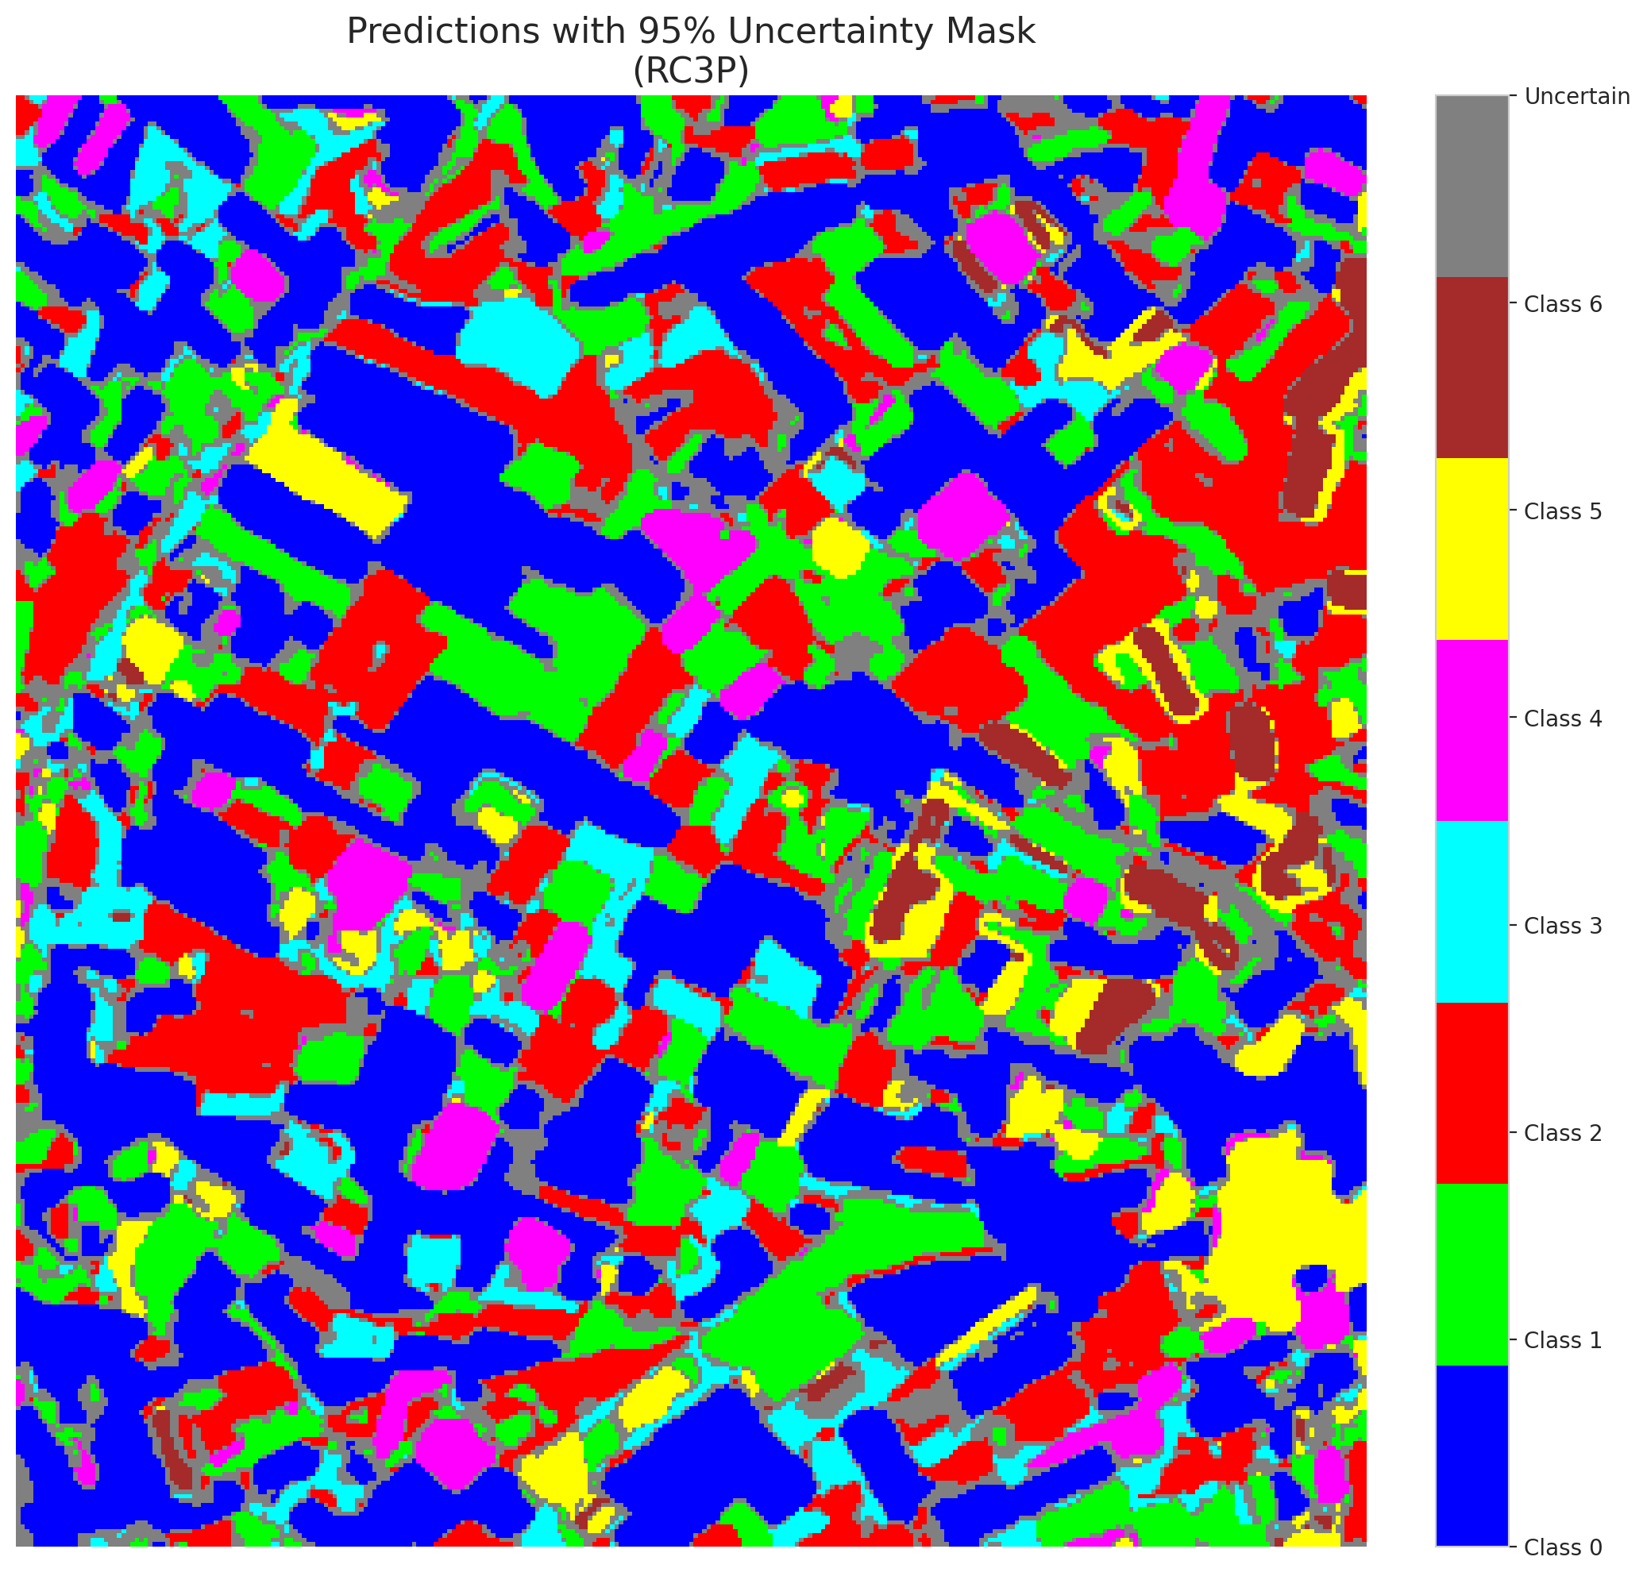

 |  |  |  |  |  |  |  |  | Pixel Counts

Clustered_AlexNet
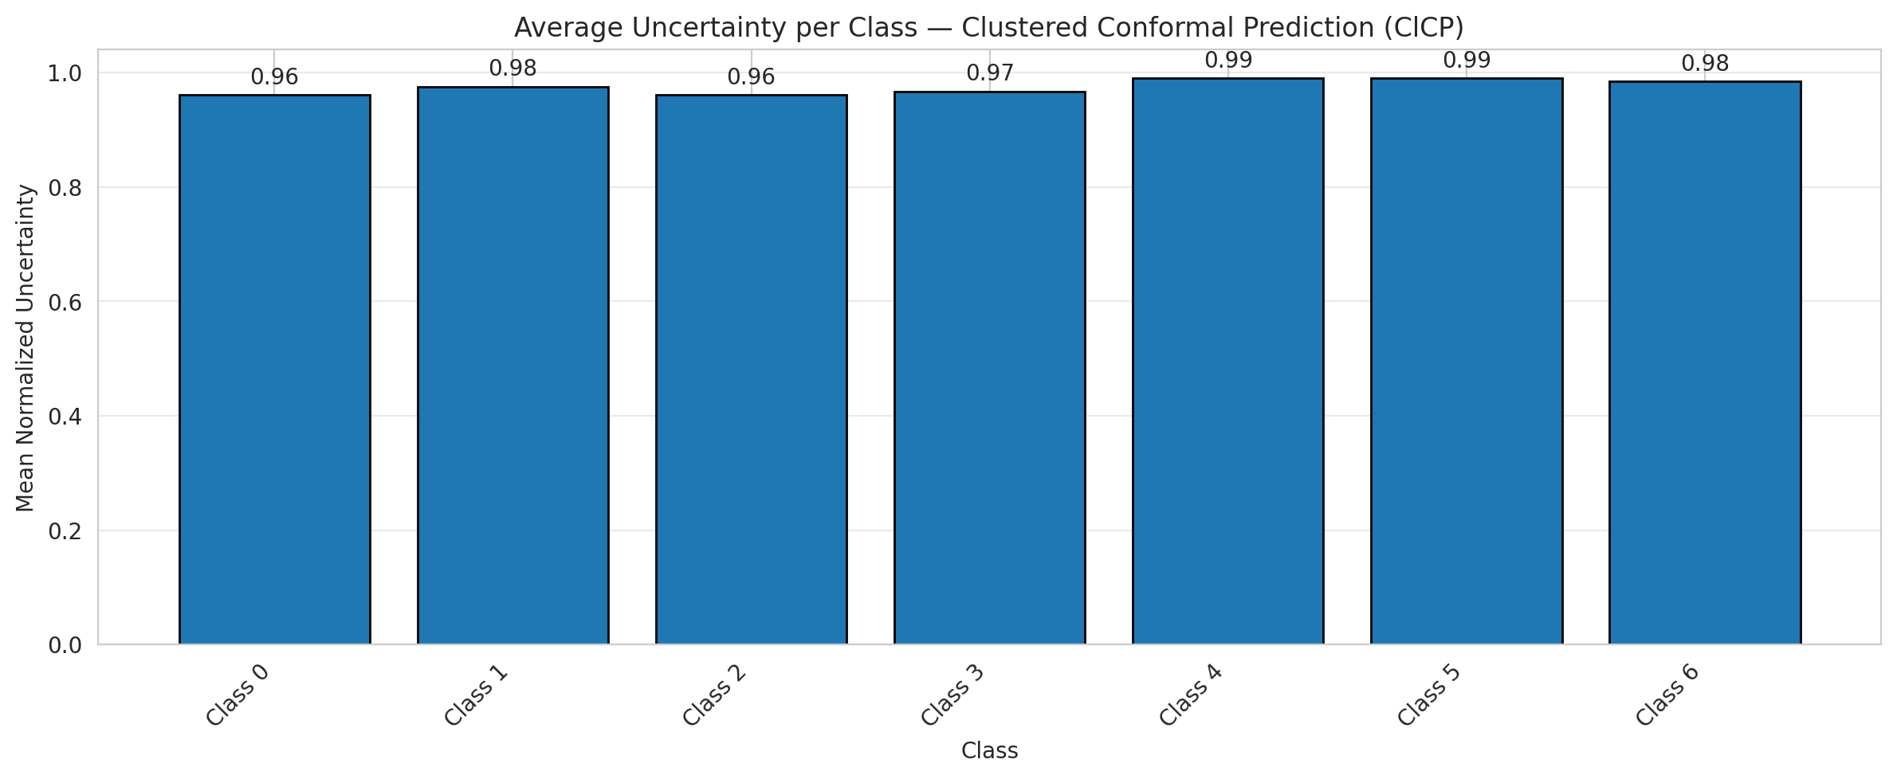
ClusteredConformal - AlexNet |  |  |  |  |  |  |  |  | Per-Class Coverage
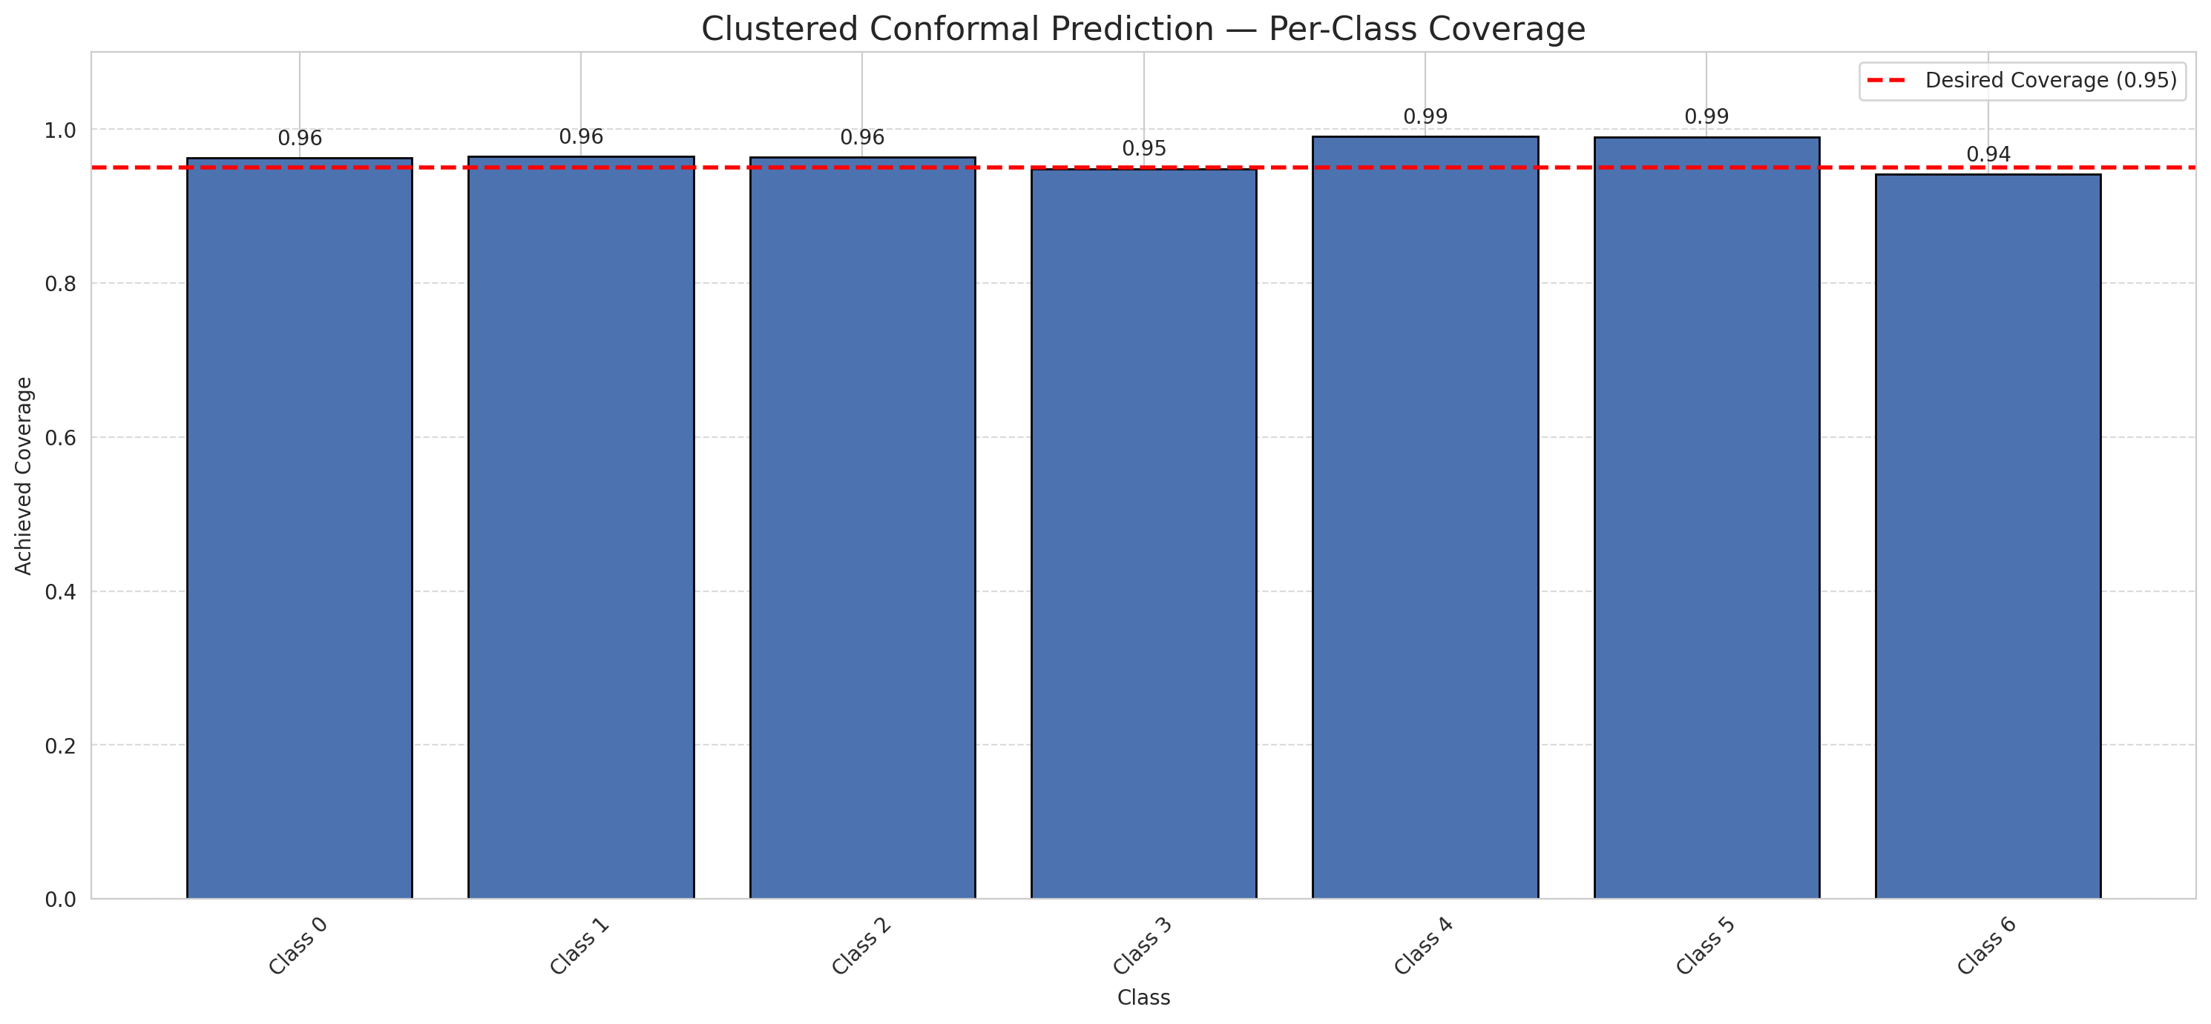
Summary
model_name | method | target_coverage | empirical_coverage | avg_set_size | median_set_size | singleton_rate | empty_set_rate | runtime_sec | alpha | lam | n_clusters | mean_per_class_coverage
AlexNet | ClusteredConformal | 0.95 | 0.96426914153 | 0.96798143852 | 1 | 0.96798143852 | 0.032018561485 | 2.678193976 | 0.05 |  | 4 | 0.96594625428

Per-Class Coverage Values
class_id | class_coverage | support_count
0 | 0.96280087527 | 914
1 | 0.96475770925 | 454
2 | 0.96368715084 | 358
3 | 0.94871794872 | 156
4 | 0.99038461538 | 104
5 | 0.9900990099 | 101
6 | 0.94117647059 | 68

Class-to-Cluster Assignment
class_id | cluster_id
0 | 2
1 | 0
2 | 0
3 | 0
4 | 3 |  |  |  |  |  |  |  | Uncertainty Distribution
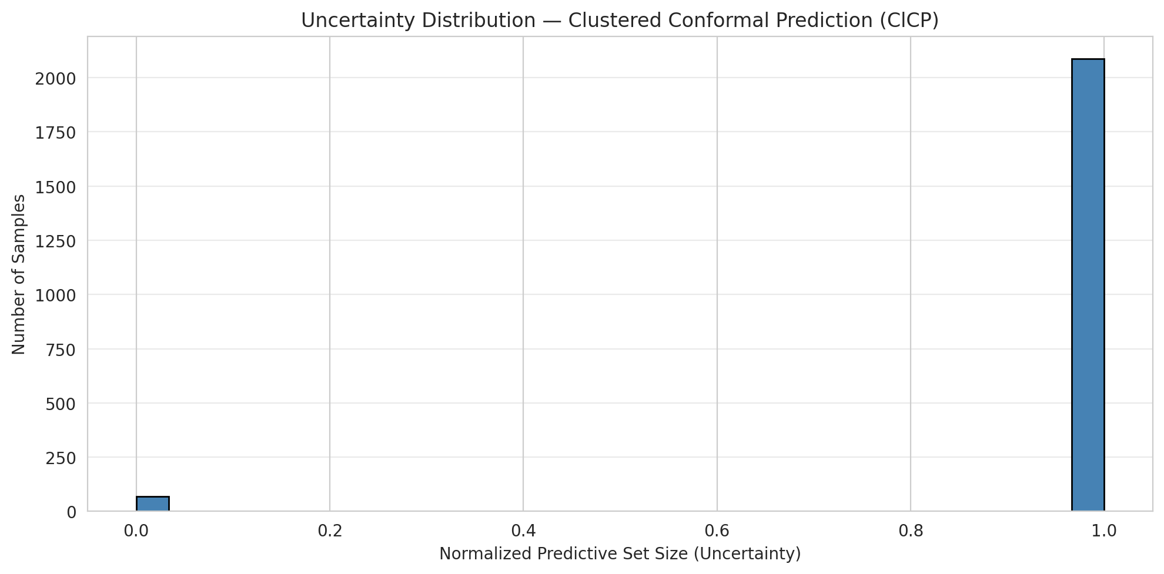
5 | 1
6 | 1

Cluster q_hat
cluster_id | q_hat_cluster
0 | 0.38677609485
1 | 0.48189166129
2 | 0.10106377697
3 | 0.30710576134

Cluster Mean Uncertainty
cluster | uncertainty
0 | 0.9689119171
1 | 0.98816568047
2 | 0.96074154853
3 | 0.99038461538

Class Mean Uncertainty
class_id | uncertainty
0 | 0.96074154853
1 | 0.97550111359 |  |  |  |  |  |  |  | Avg Uncertainty per Cluster
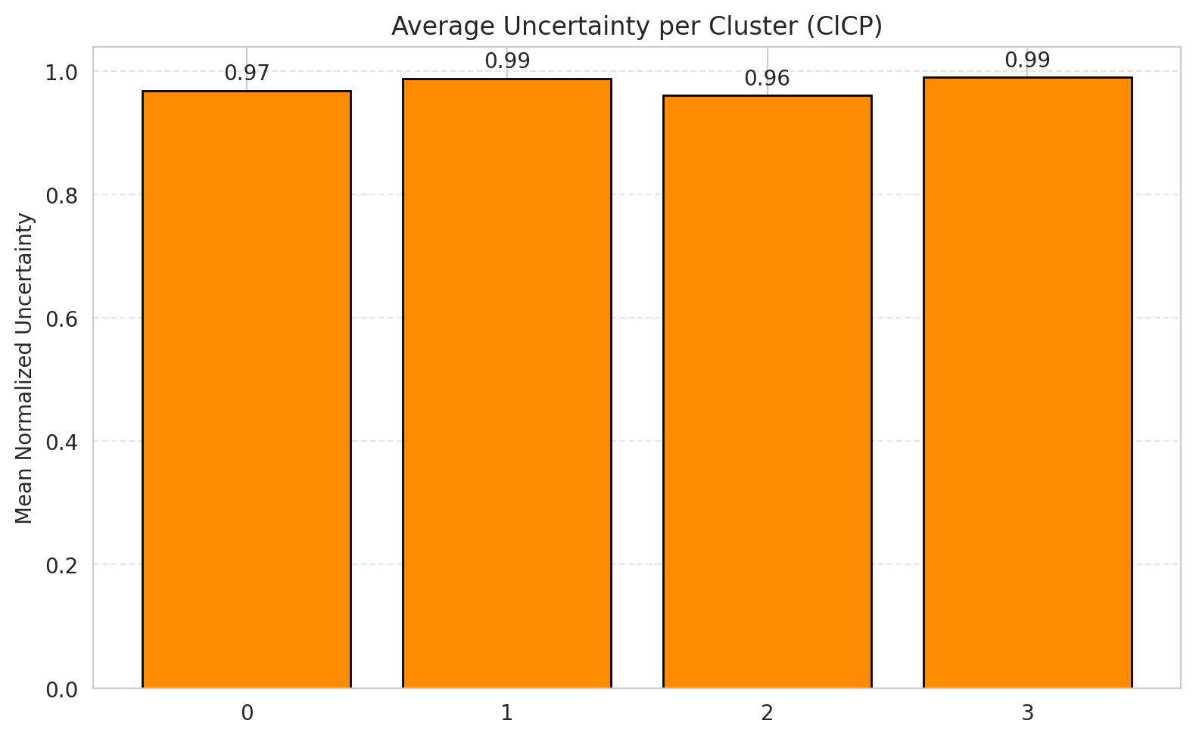
2 | 0.96143250689
3 | 0.96732026144
4 | 0.99038461538
5 | 0.99029126214
6 | 0.98484848485

 |  |  |  |  |  |  |  |  | Avg Uncertainty per Class

RAPS_AlexNet
RAPS - AlexNet |  |  |  |  |  |  |  |  | Per-Class Coverage
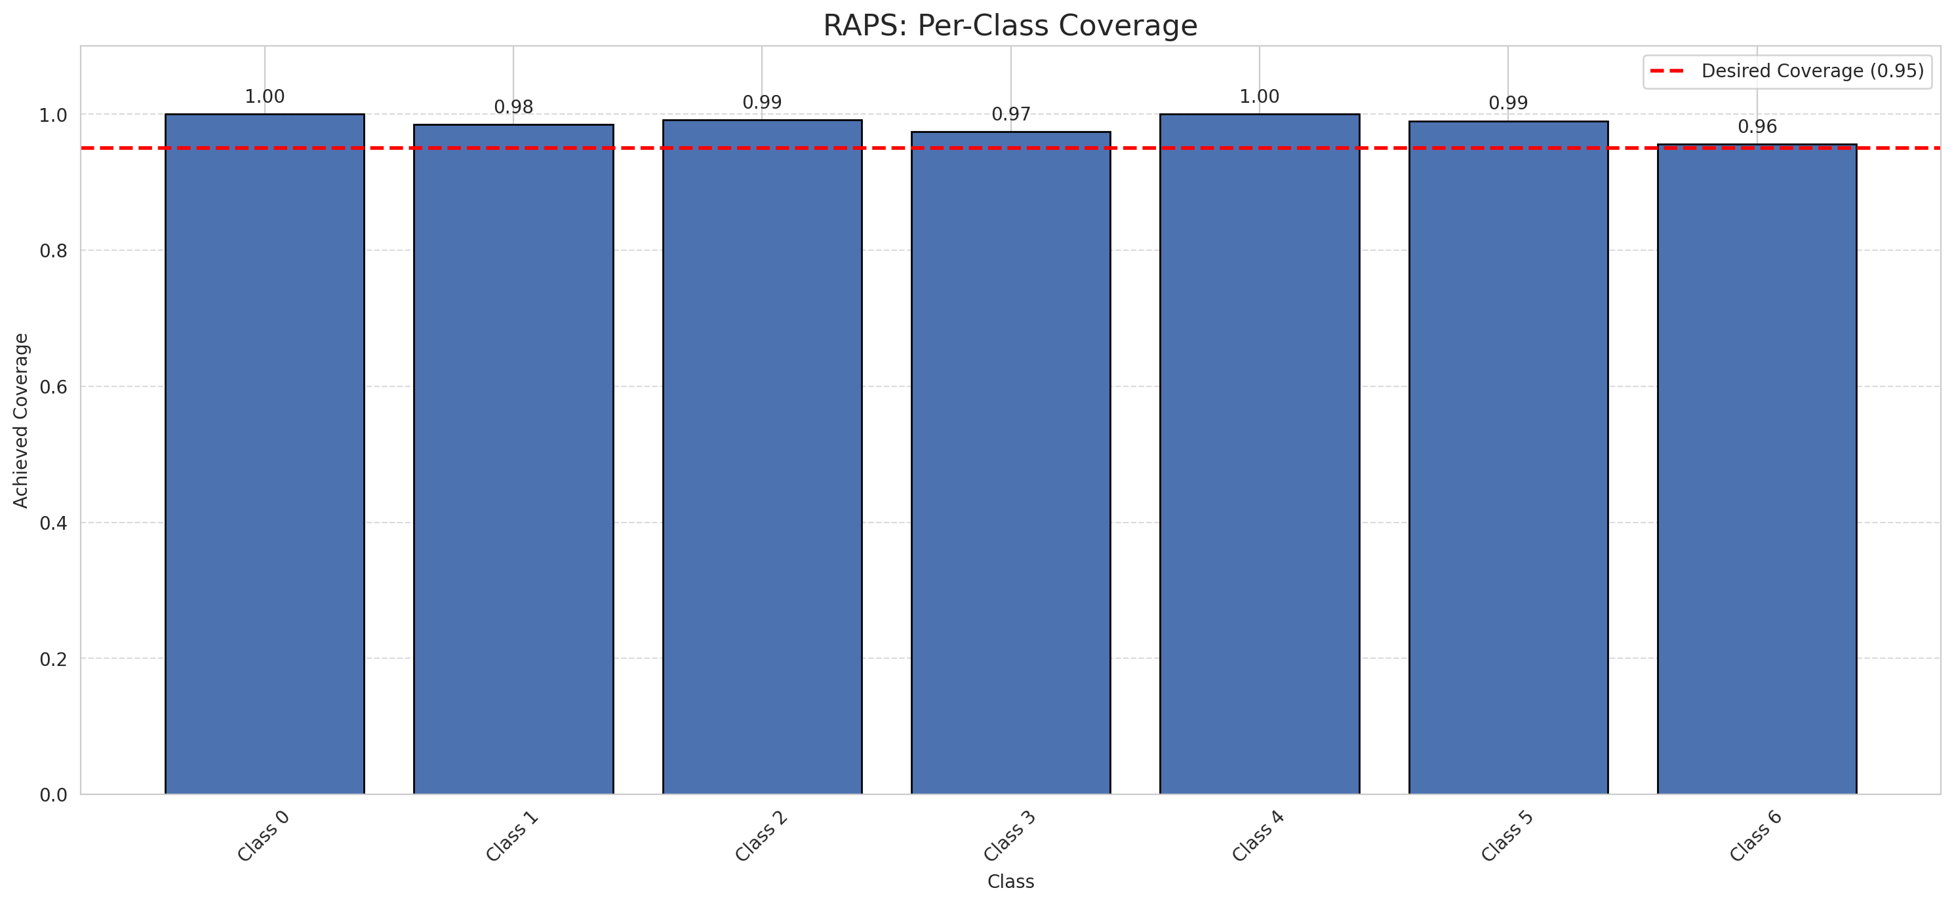
Summary
model_name | method | target_coverage | empirical_coverage | avg_set_size | median_set_size | singleton_rate | empty_set_rate | runtime_sec | alpha | lam | n_clusters | mean_per_class_coverage
AlexNet | RAPS | 0.95 | 0.99164733179 | 1 | 1 | 1 | 0 | 0.382170244 | 0.05 | 0.01 |  | 0.9852202781

Per-Class Coverage Values
class_id | class_coverage | support_count
0 | 1 | 914
1 | 0.9845814978 | 454
2 | 0.99162011173 | 358
3 | 0.97435897436 | 156
4 | 1 | 104
5 | 0.9900990099 | 101
6 | 0.95588235294 | 68

RAPS Parameters
q_hat_raps | lambda | k_reg
0 | 0.01 | 1

Split_GFNet
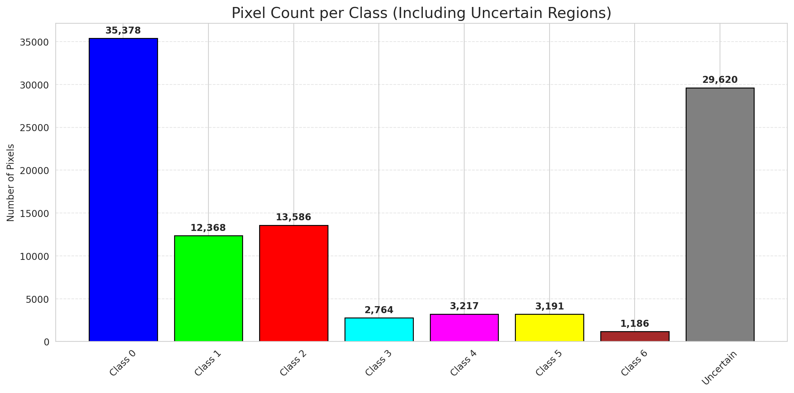
SplitConformal - GFNet |  |  |  |  |  |  |  |  | Per-Class Coverage
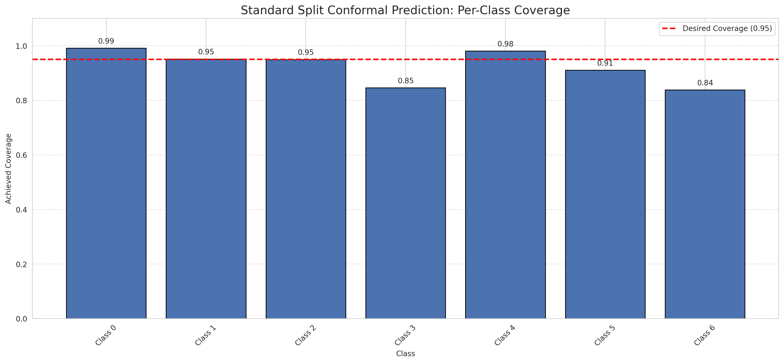
Summary
model_name | method | target_coverage | empirical_coverage | avg_set_size | median_set_size | singleton_rate | empty_set_rate | runtime_sec | alpha | lam | n_clusters | mean_per_class_coverage
GFNet | SplitConformal | 0.95 | 0.95638051044 | 0.95638051044 | 1 | 0.95638051044 | 0.043619489559 | 2.292555049 | 0.05 |  |  | 0.92407989222

Per-Class Coverage Values
class_id | class_coverage | support_count
0 | 0.99124726477 | 914
1 | 0.95154185022 | 454
2 | 0.94972067039 | 358
3 | 0.84615384615 | 156
4 | 0.98076923077 | 104
5 | 0.91089108911 | 101
6 | 0.83823529412 | 68

Pixel Counts
class_id | label | pixel_count
0 | Class 0 | 35378
1 | Class 1 | 12368
2 | Class 2 | 13586
3 | Class 3 | 2764
4 | Class 4 | 3217 |  |  |  |  |  |  | Certain vs Uncertain Map
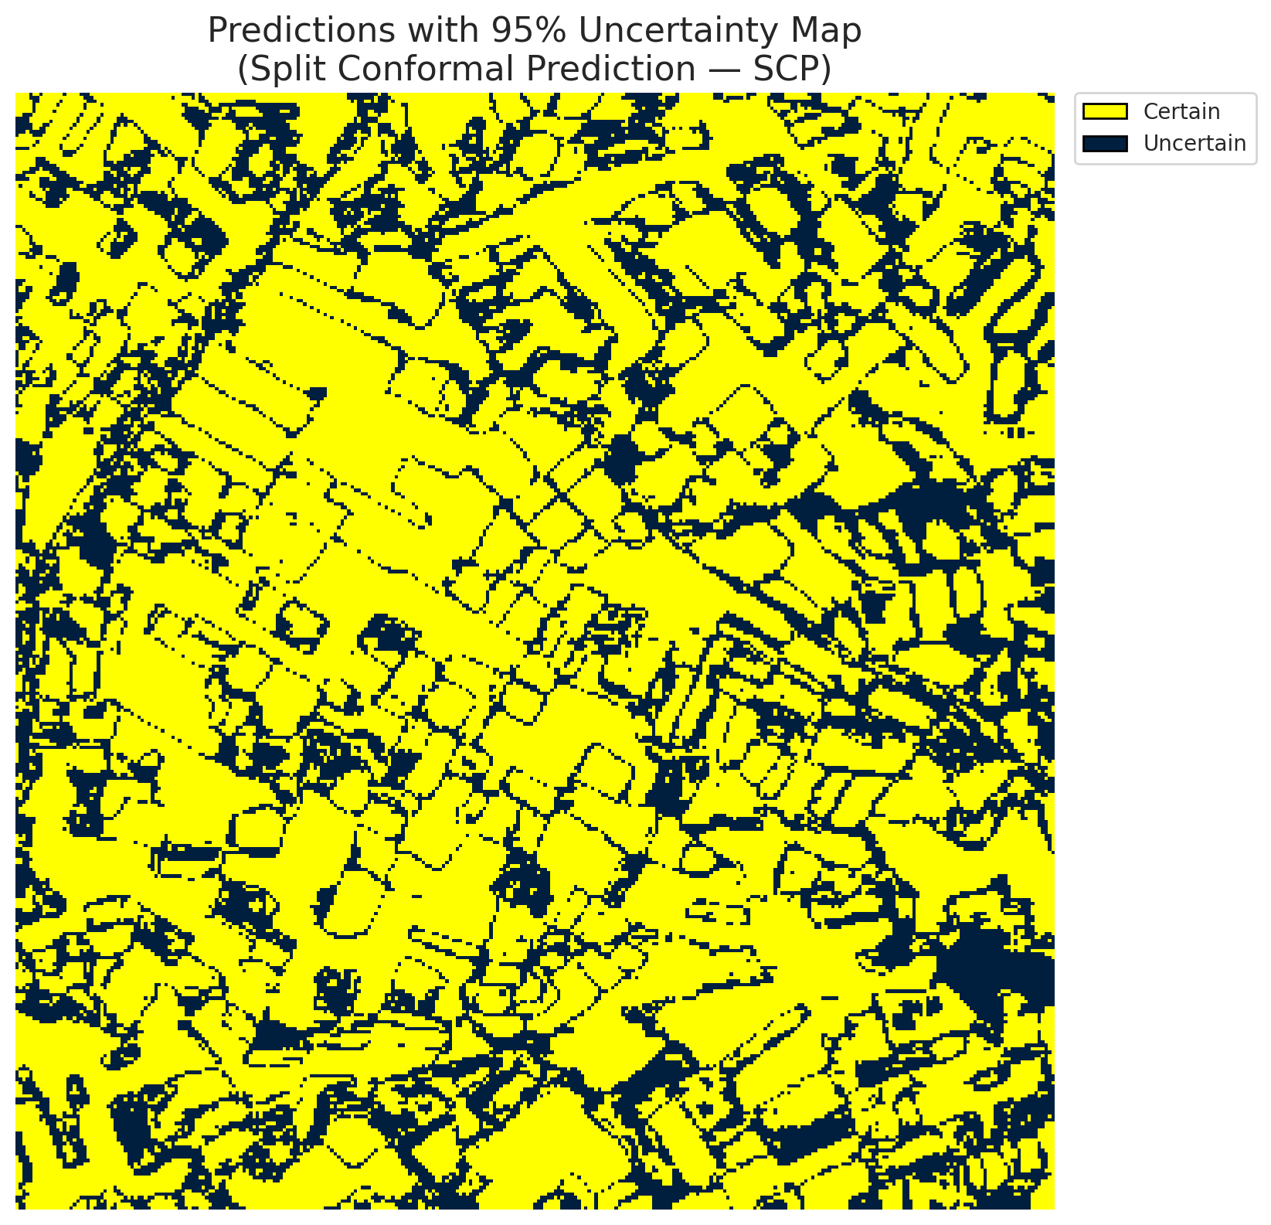
5 | Class 5 | 3191
6 | Class 6 | 1186
7 | Uncertain | 29620

Threshold
q_hat_split
0.017986149942

 |  |  |  |  |  |  |  |  | Class Map with Uncertain Mask
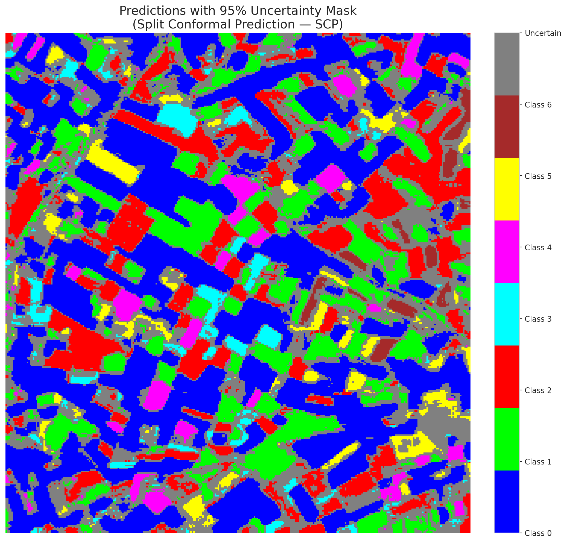

 |  |  |  |  |  |  |  |  | Pixel Counts

ClassCond_GFNet
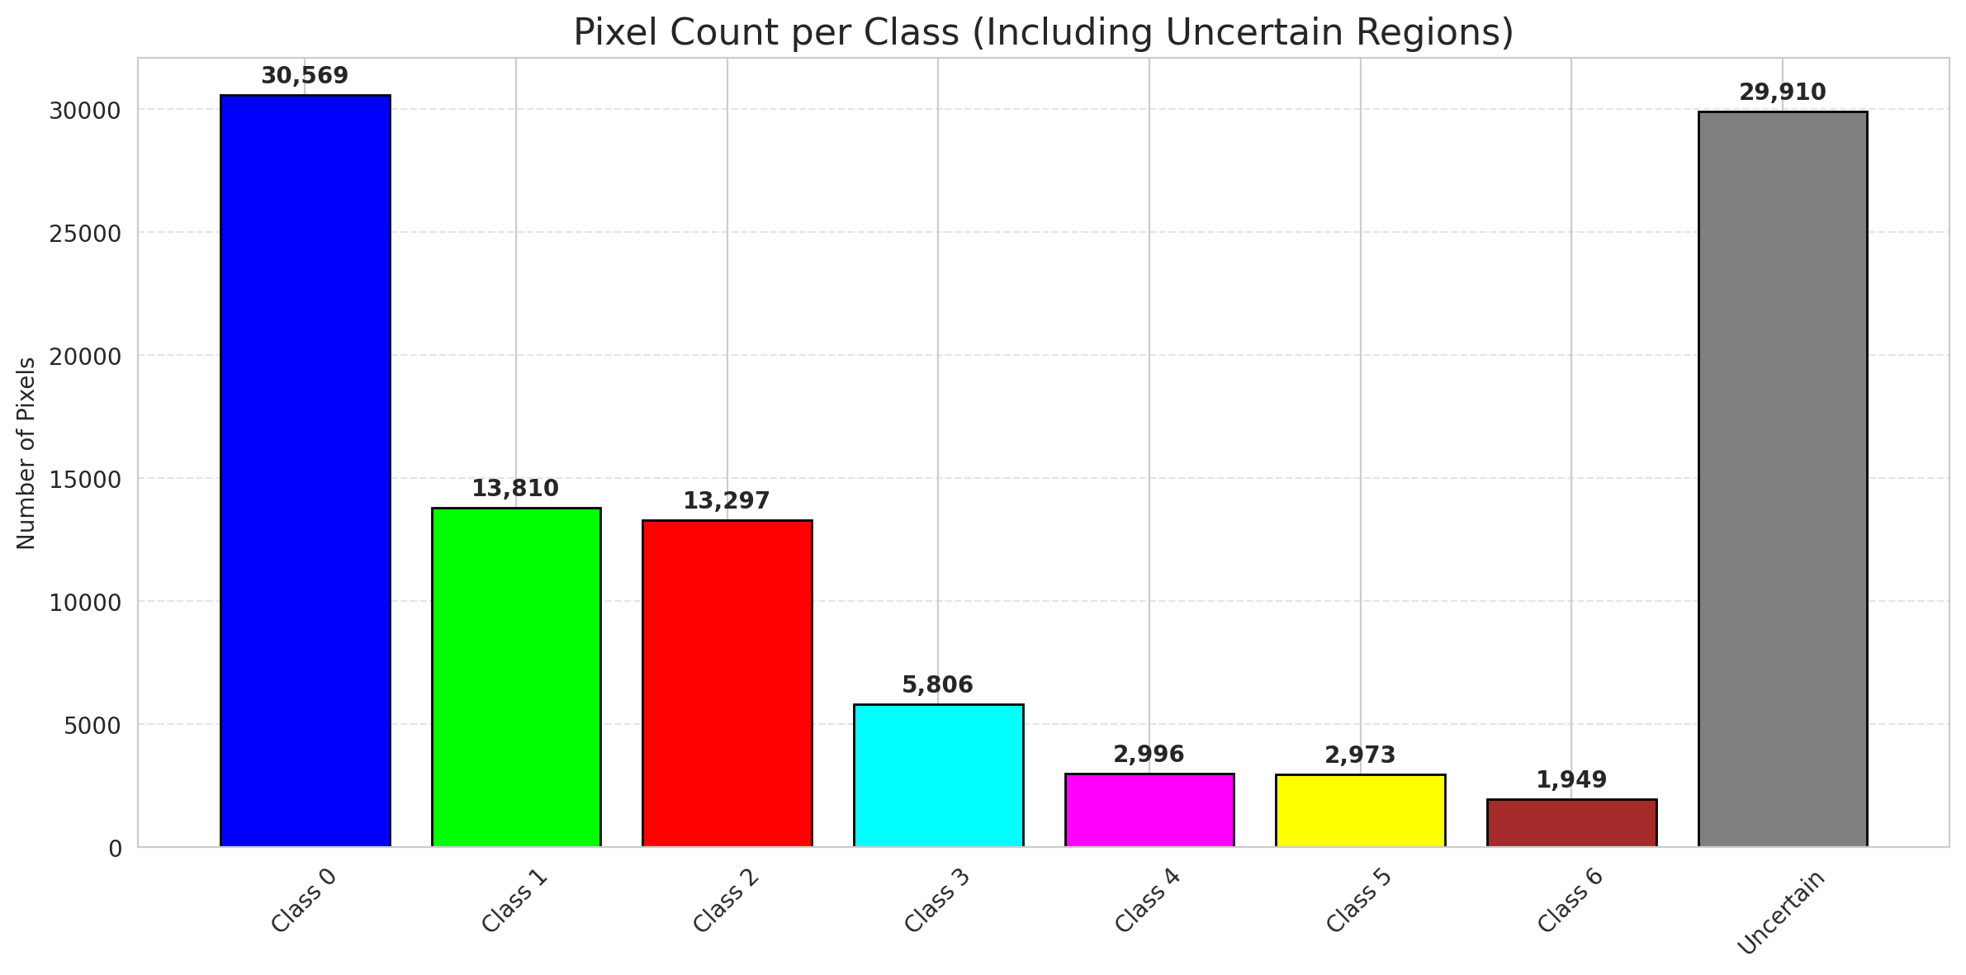
ClassConditionalConformal - GFNet |  |  |  |  |  |  |  |  | Per-Class Coverage
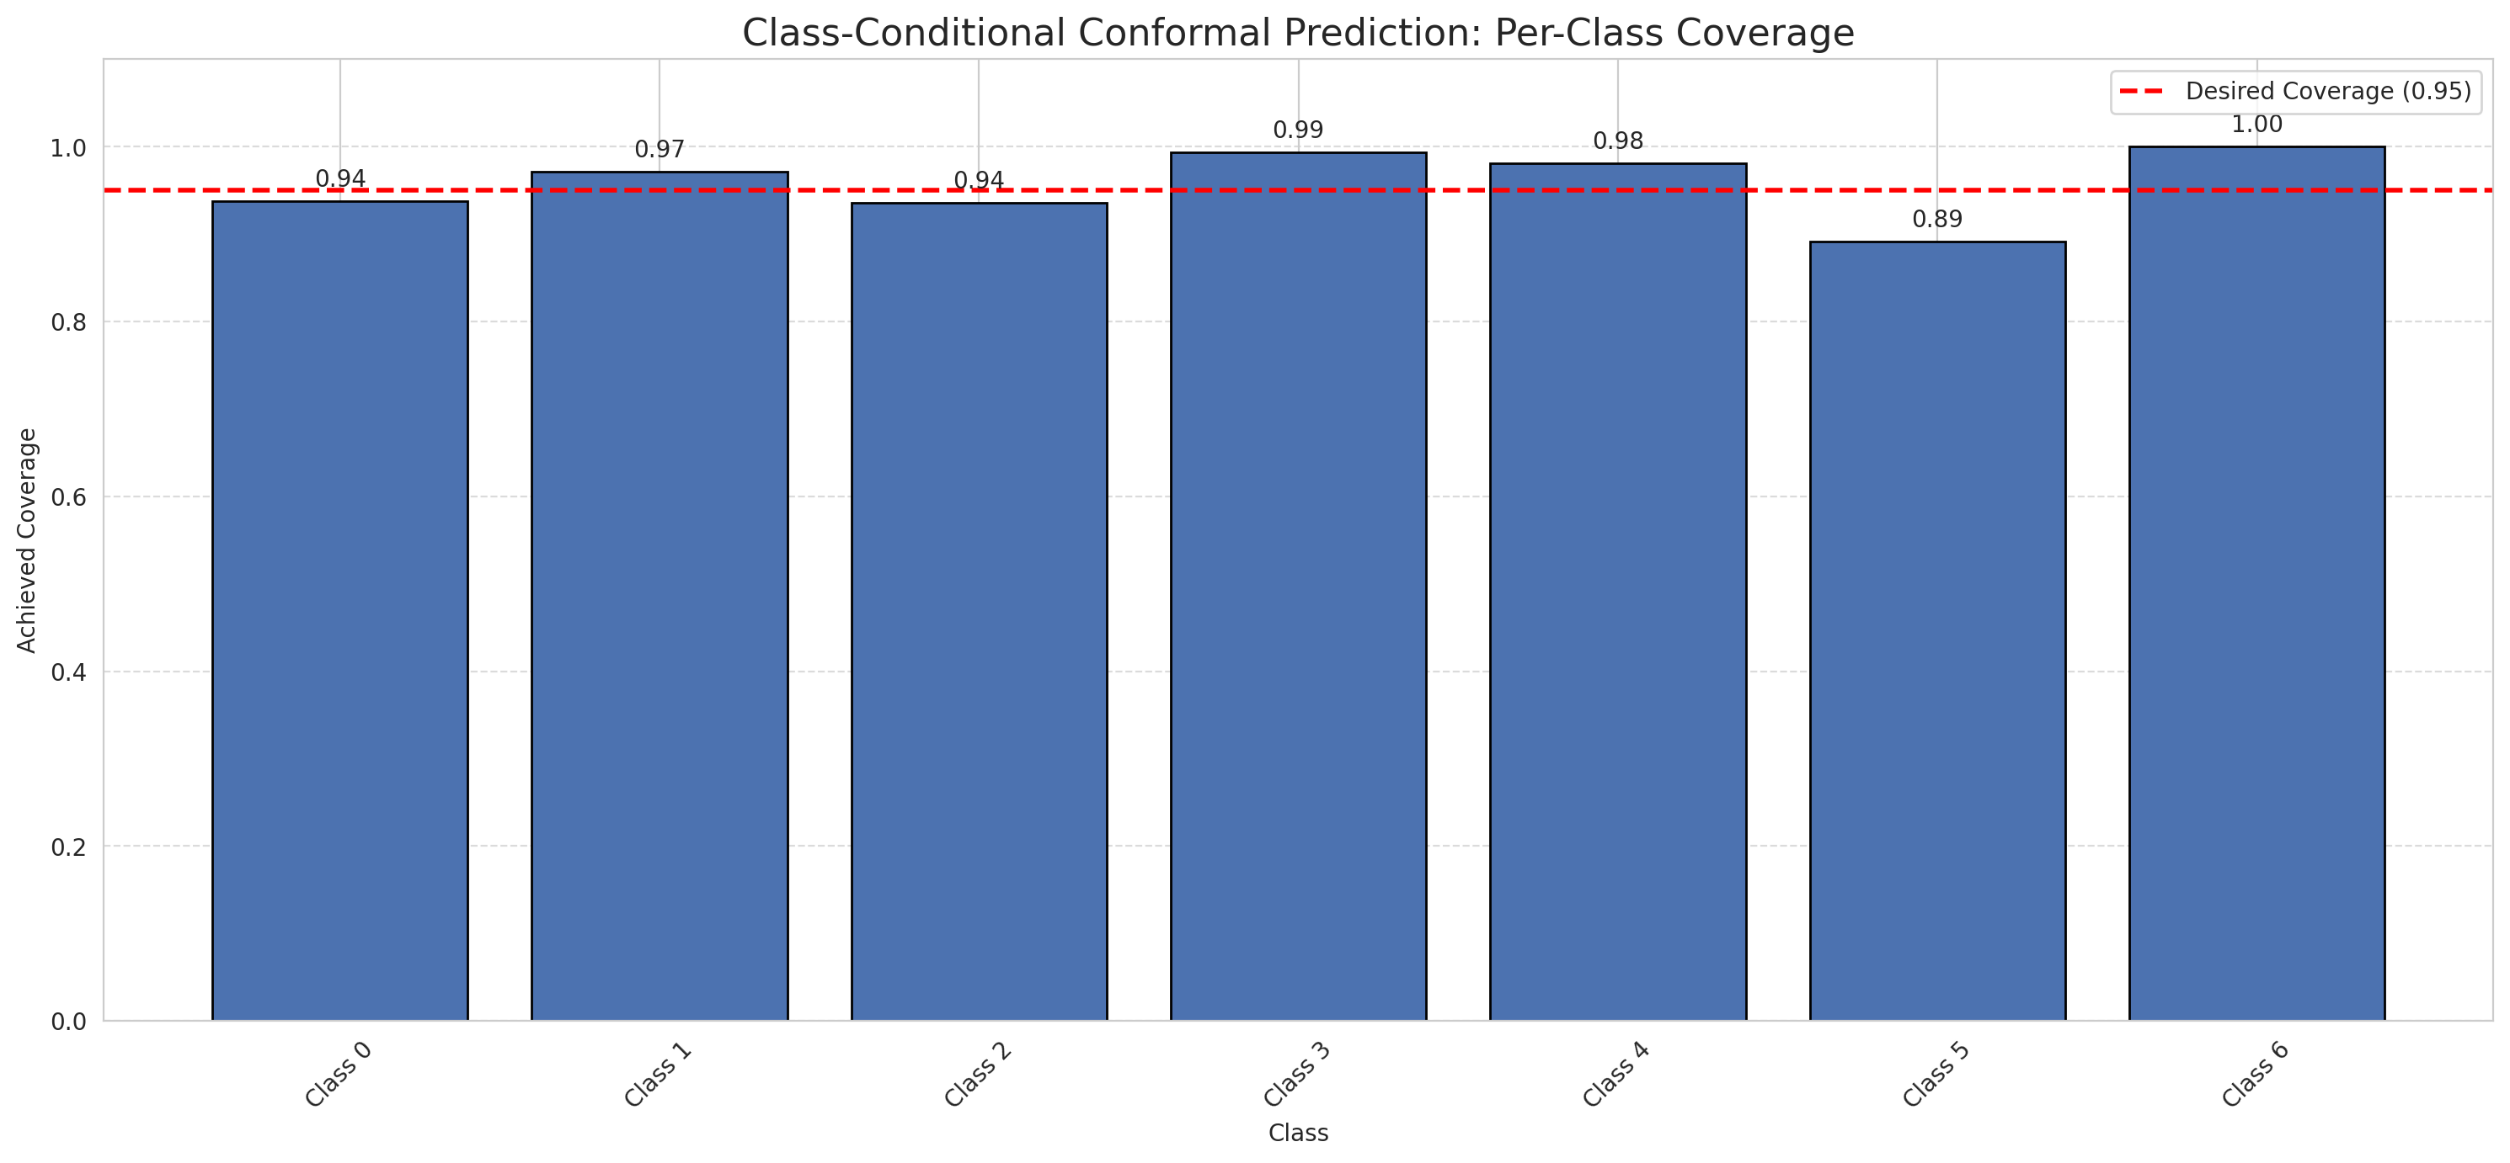
Summary
model_name | method | target_coverage | empirical_coverage | avg_set_size | median_set_size | singleton_rate | empty_set_rate | runtime_sec | alpha | lam | n_clusters | mean_per_class_coverage
GFNet | ClassConditionalConformal | 0.95 | 0.95034802784 | 0.95081206497 | 1 | 0.95081206497 | 0.049187935035 | 1.612282015 | 0.05 |  |  | 0.95860066764

Per-Class Coverage Values
class_id | class_coverage | support_count
0 | 0.93763676149 | 914
1 | 0.97136563877 | 454
2 | 0.93575418994 | 358
3 | 0.99358974359 | 156
4 | 0.98076923077 | 104
5 | 0.89108910891 | 101
6 | 1 | 68

Pixel Counts
class_id | label | pixel_count
0 | Class 0 | 30569
1 | Class 1 | 13810
2 | Class 2 | 13297
3 | Class 3 | 5806
4 | Class 4 | 2996 |  |  |  |  |  |  | Certain vs Uncertain Map
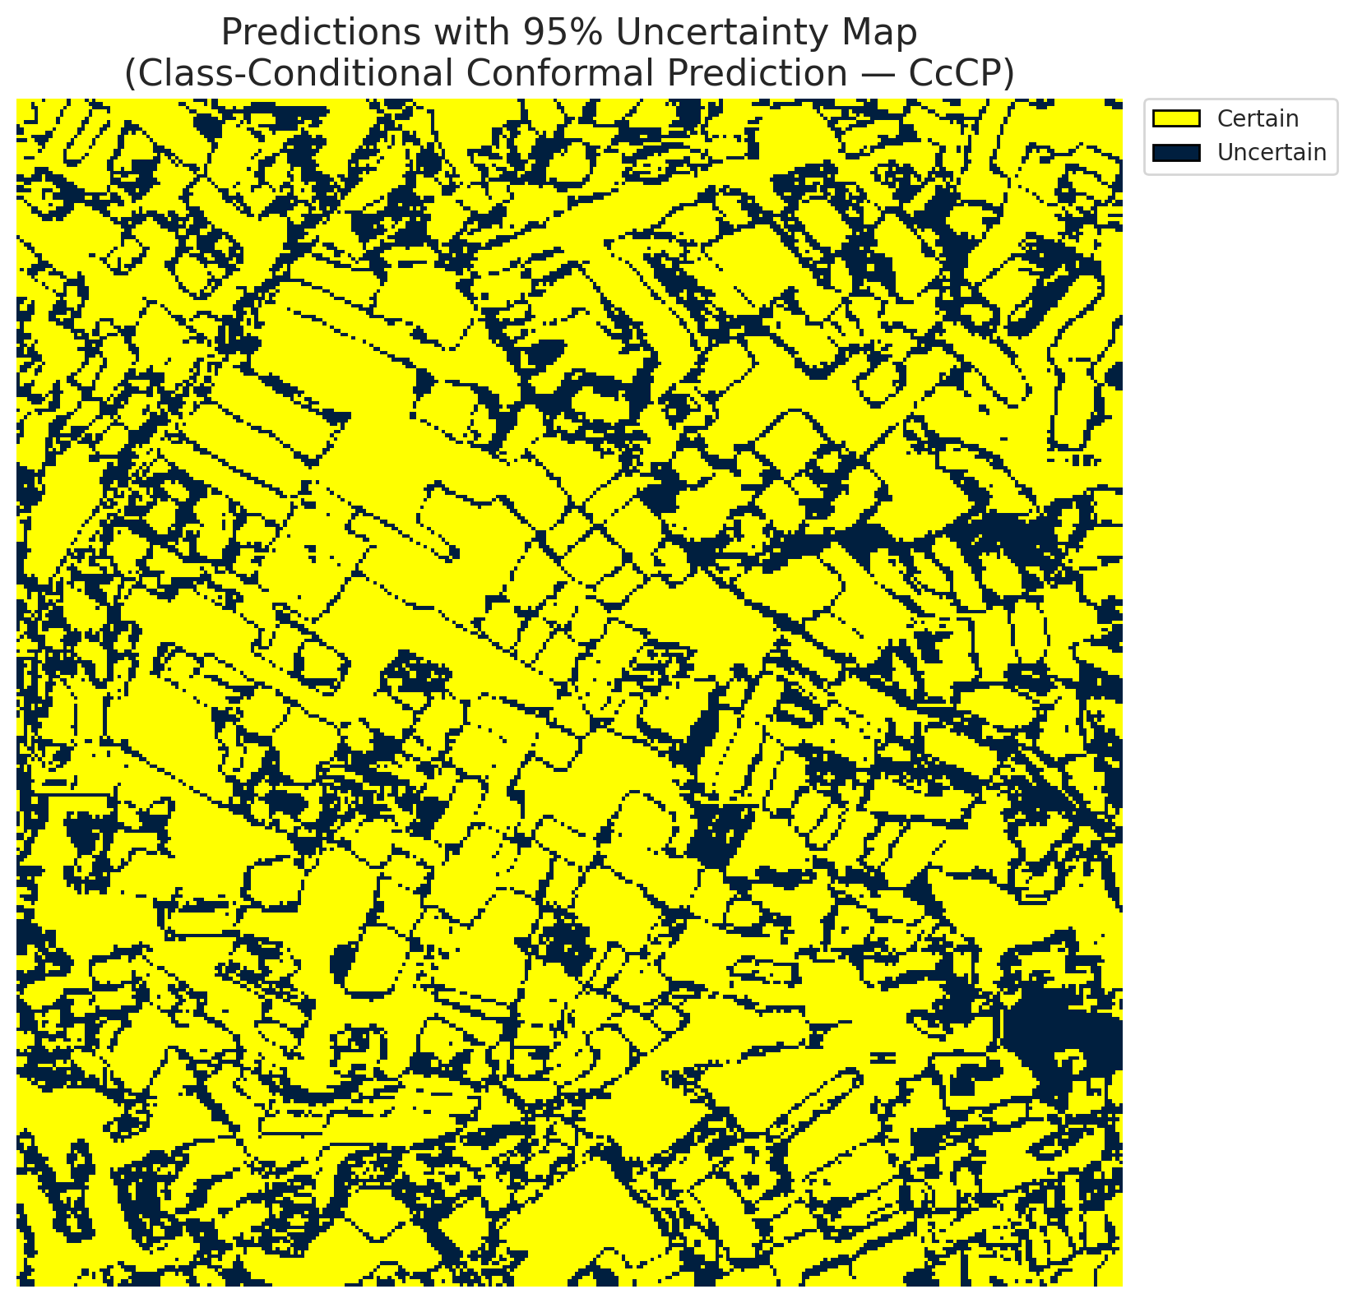
5 | Class 5 | 2973
6 | Class 6 | 1949
7 | Uncertain | 29910

Classwise q_hat
class_id | q_hat_classconditional
0 | 0.0014933562593
1 | 0.039436971172
2 | 0.015189619439
3 | 0.43893928217
4 | 0.0082408370955
5 | 0.012600801396
6 | 0.35927696715

 |  |  |  |  |  |  |  |  | Class Map with Uncertain Mask
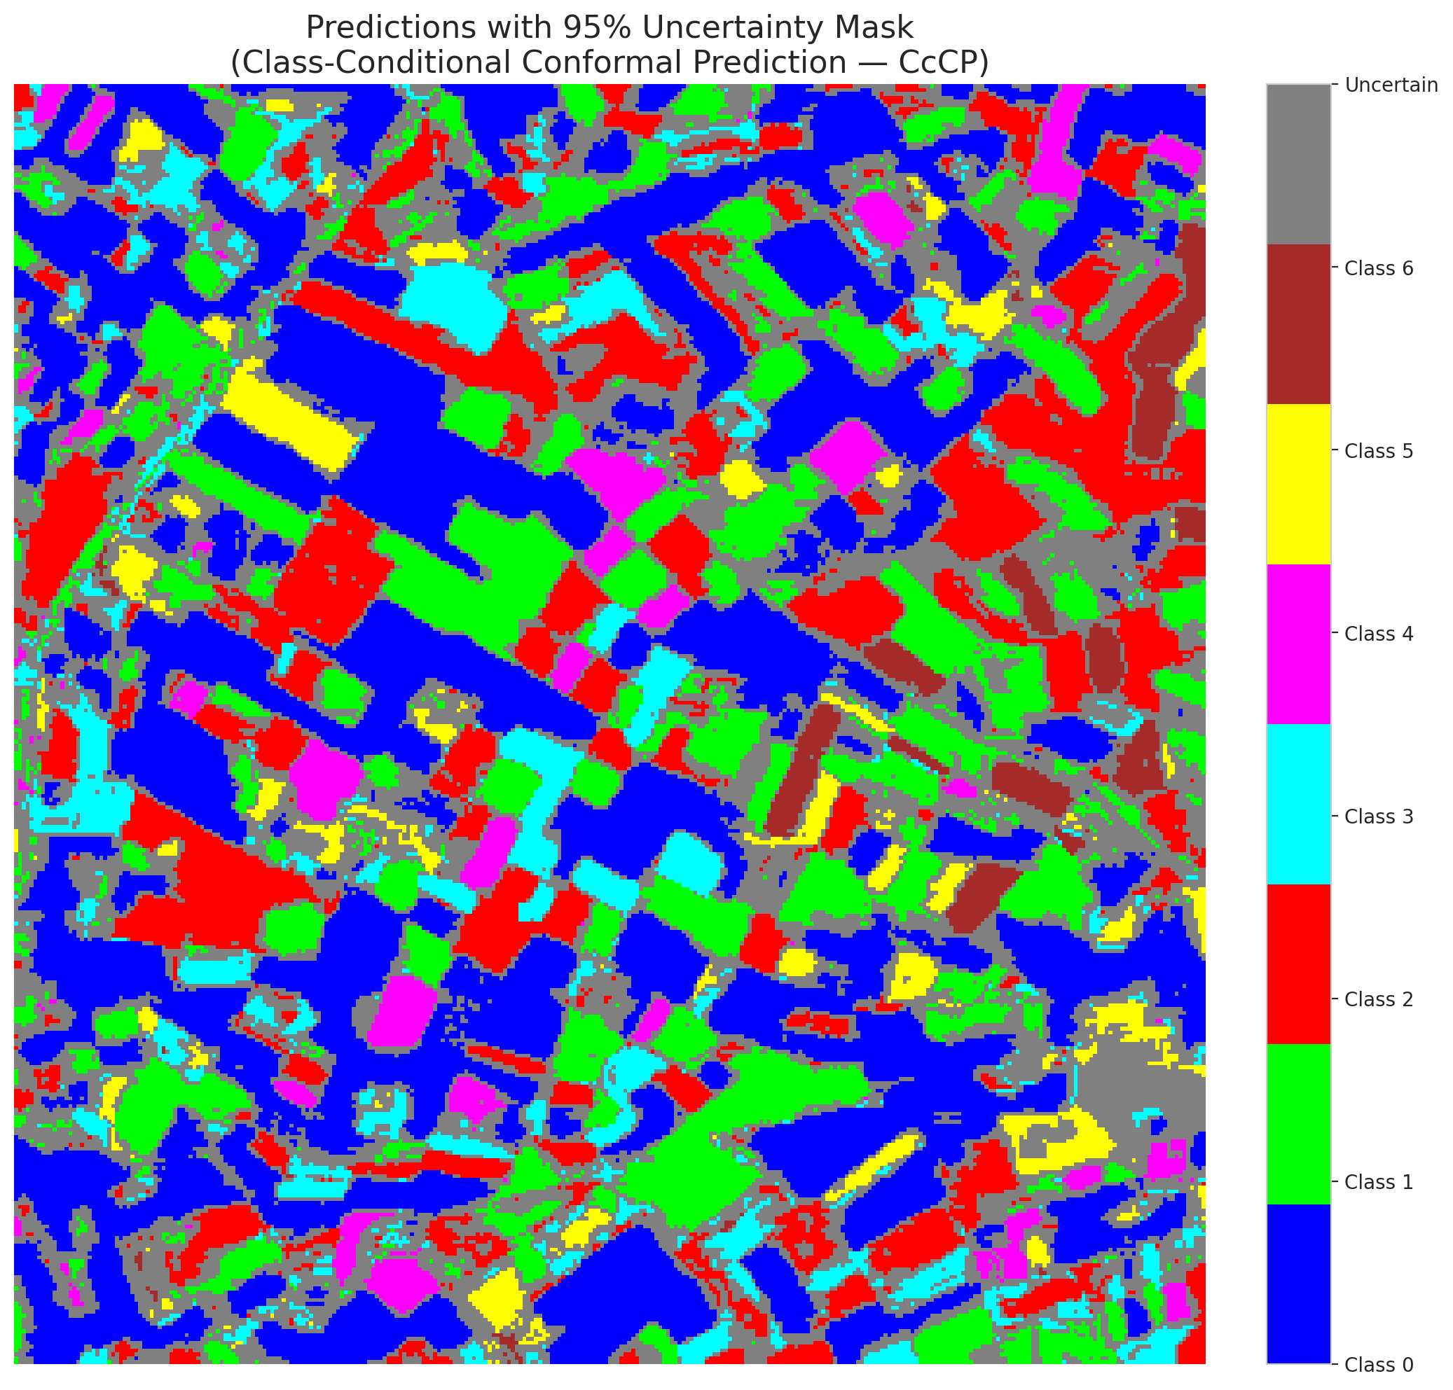

 |  |  |  |  |  |  |  |  | Pixel Counts

RC3P_GFNet
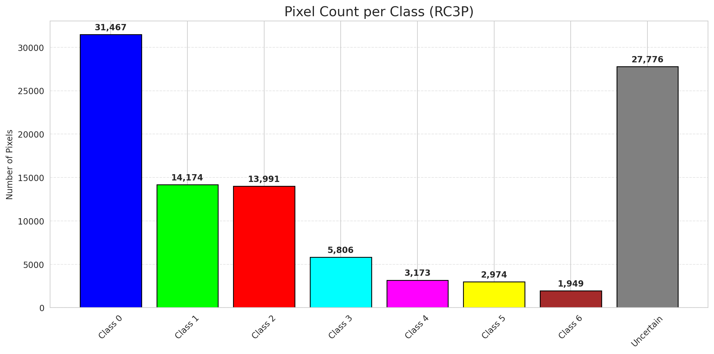
RC3P - GFNet |  |  |  |  |  |  |  |  | Per-Class Coverage
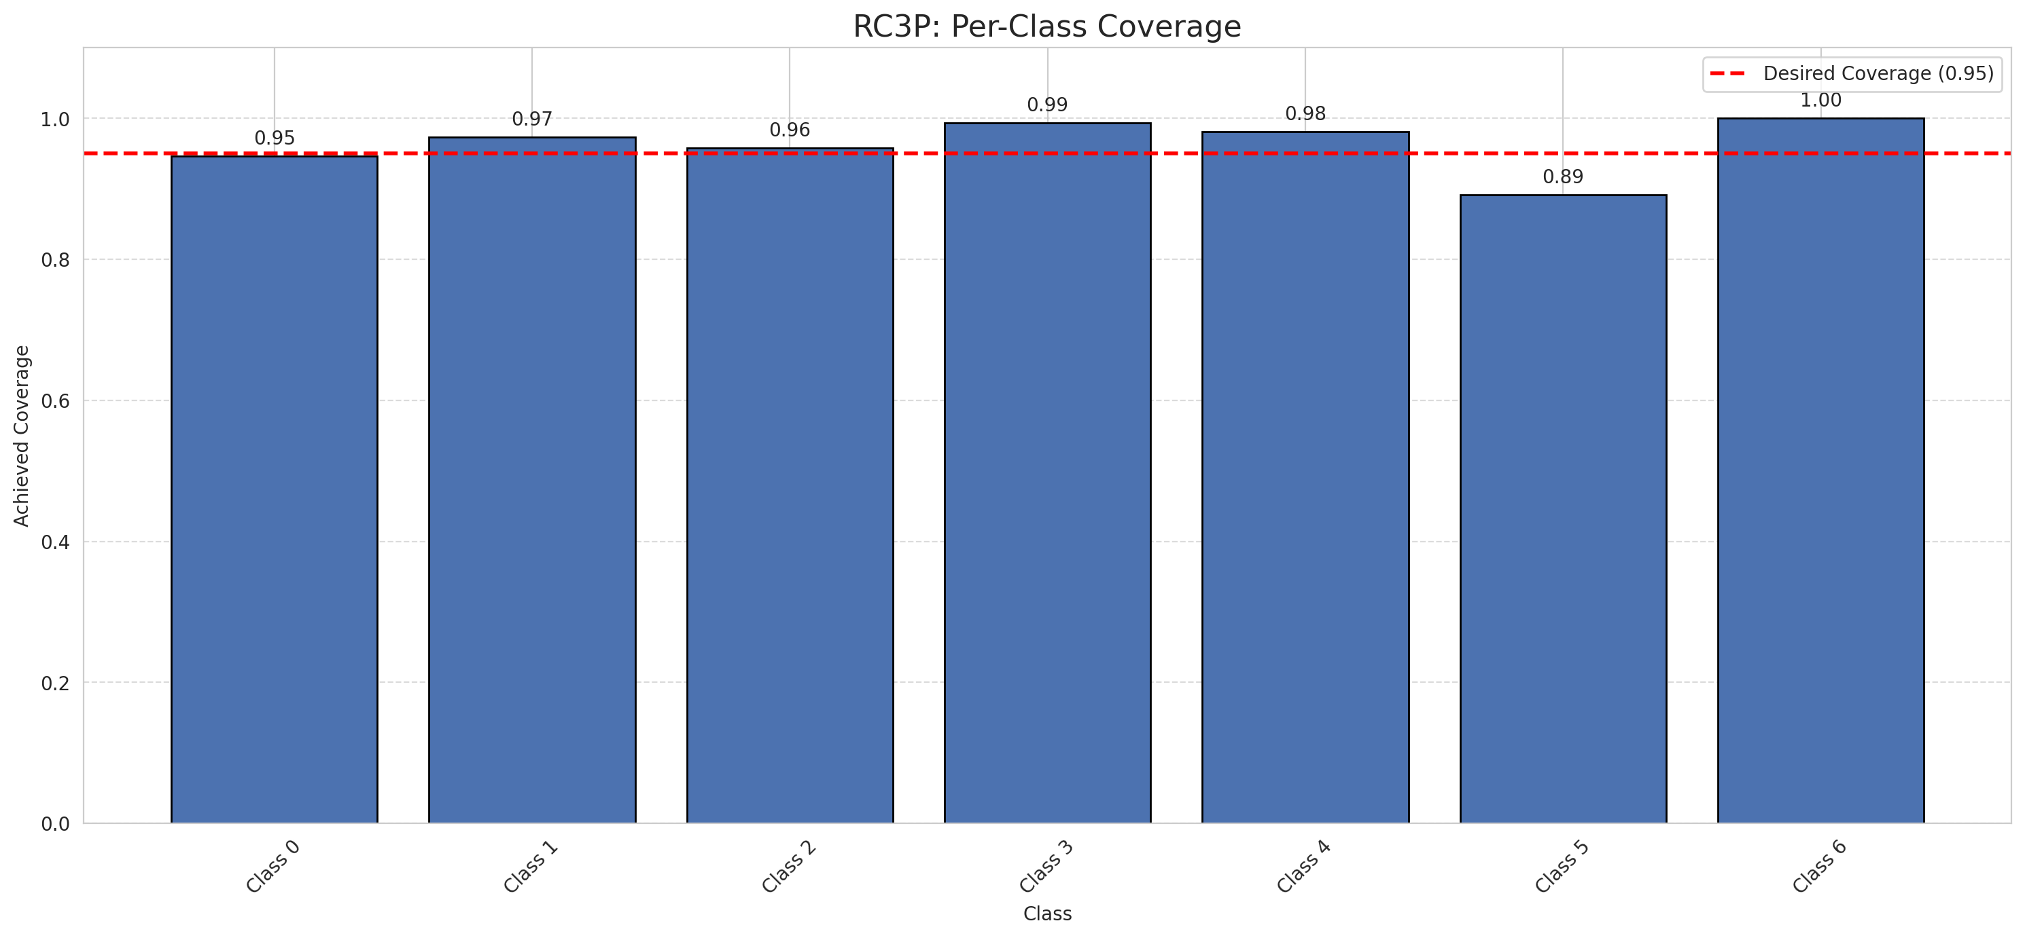
Summary
model_name | method | target_coverage | empirical_coverage | avg_set_size | median_set_size | singleton_rate | empty_set_rate | runtime_sec | alpha | lam | n_clusters | mean_per_class_coverage
GFNet | RC3P | 0.95 | 0.95823665893 | 0.95870069606 | 1 | 0.95870069606 | 0.041299303944 | 1.57051025 | 0.05 |  |  | 0.96335806008

Per-Class Coverage Values
class_id | class_coverage | support_count
0 | 0.94638949672 | 914
1 | 0.97356828194 | 454
2 | 0.95810055866 | 358
3 | 0.99358974359 | 156
4 | 0.98076923077 | 104
5 | 0.89108910891 | 101
6 | 1 | 68

Pixel Counts
class_id | label | pixel_count
0 | Class 0 | 31467
1 | Class 1 | 14174
2 | Class 2 | 13991
3 | Class 3 | 5806
4 | Class 4 | 3173 |  |  |  |  |  |  | Certain vs Uncertain Map
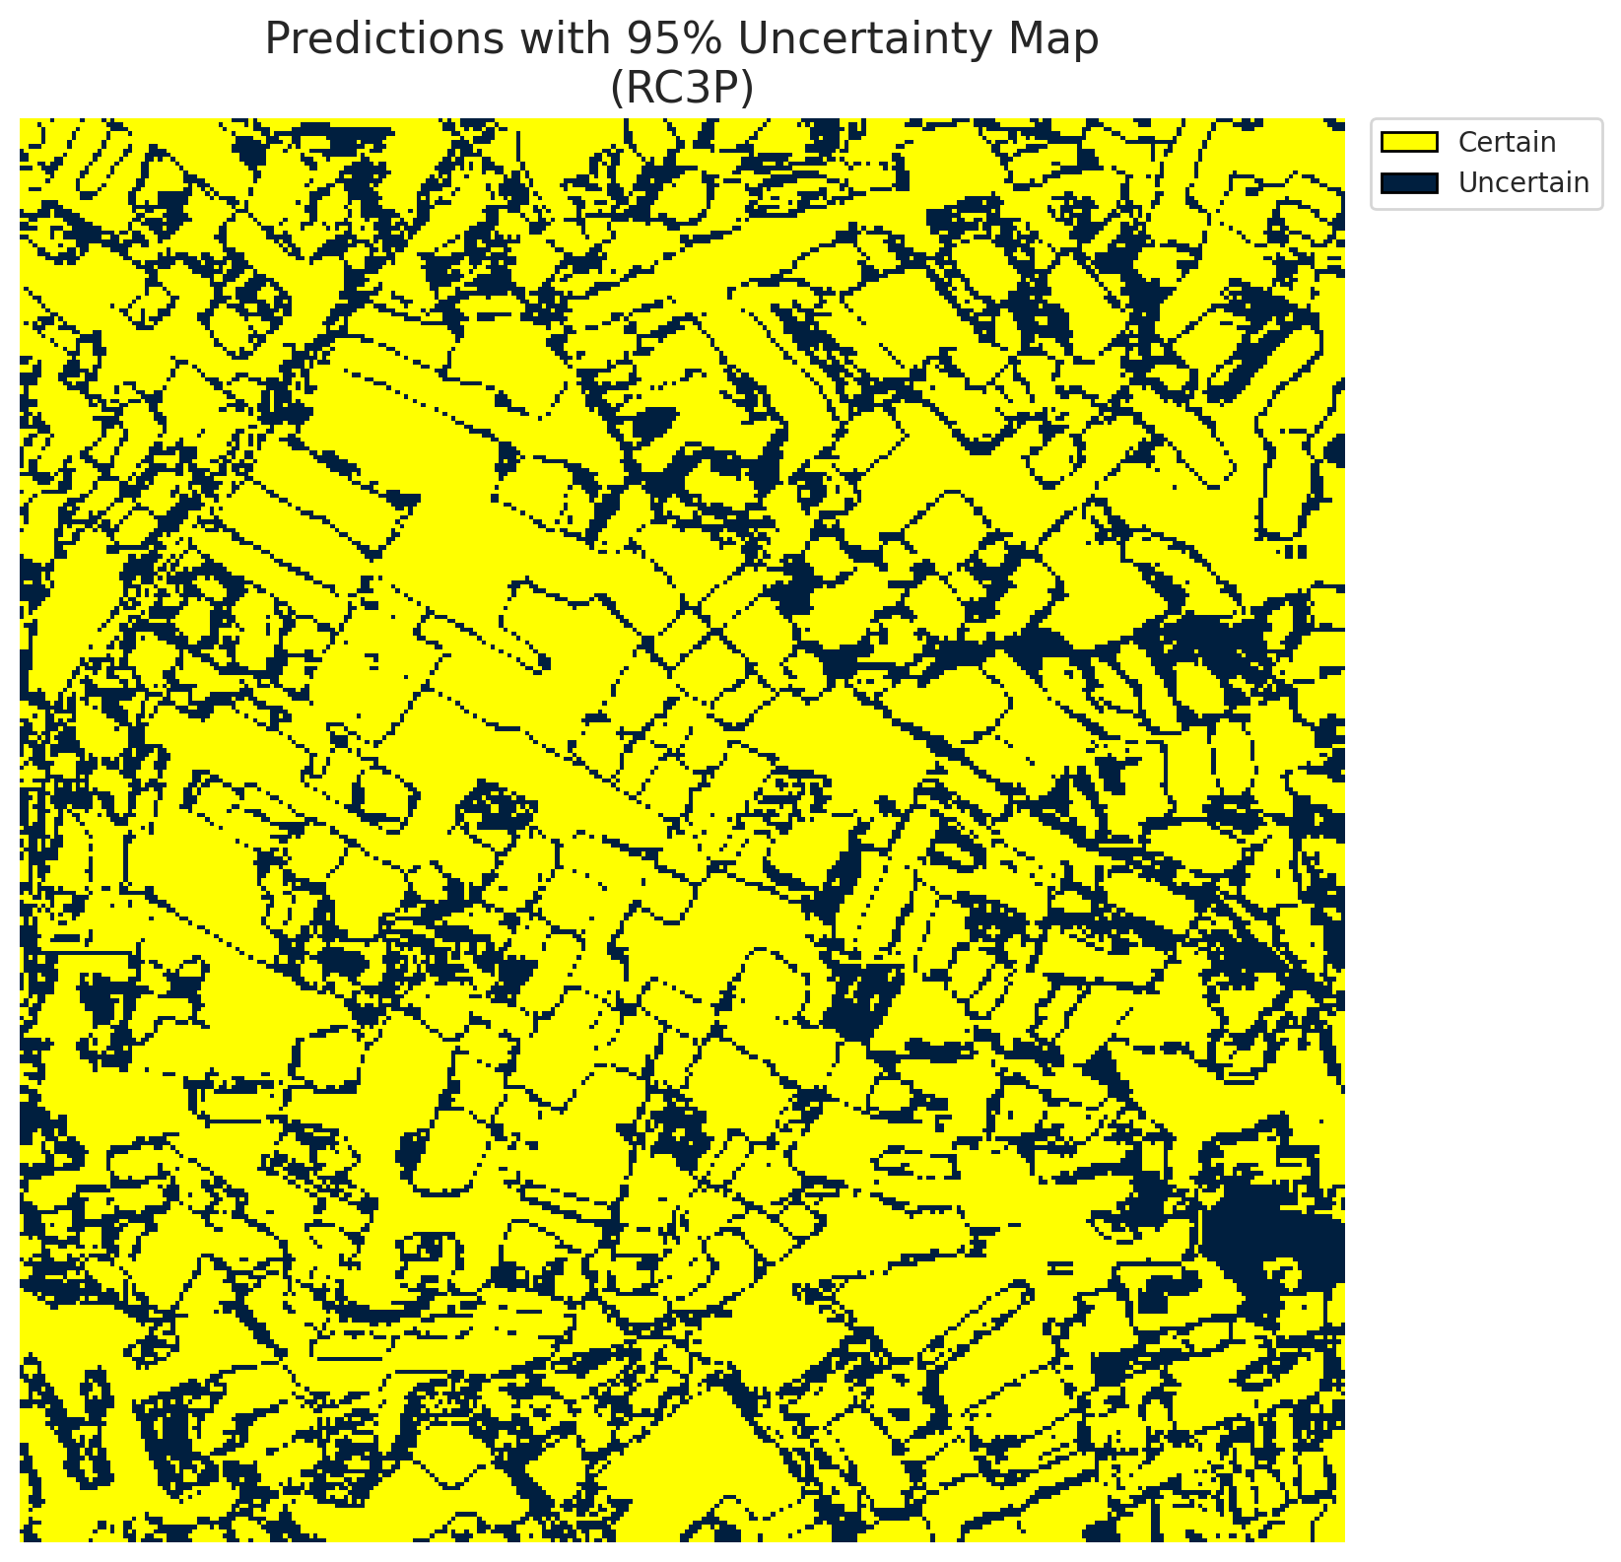
5 | Class 5 | 2974
6 | Class 6 | 1949
7 | Uncertain | 27776

RC3P Thresholds & Limits
class_id | q_hat_rc3p | suit_index_limit
0 | 0.0022112278384 | 1
1 | 0.04831395958 | 1
2 | 0.02288817421 | 1
3 | 0.43893928217 | 1
4 | 0.01577405754 | 1
5 | 0.012611261477 | 1
6 | 0.35927696715 | 1

 |  |  |  |  |  |  |  |  | Class Map with Uncertain Mask


 |  |  |  |  |  |  |  |  | Pixel Counts

Clustered_GFNet
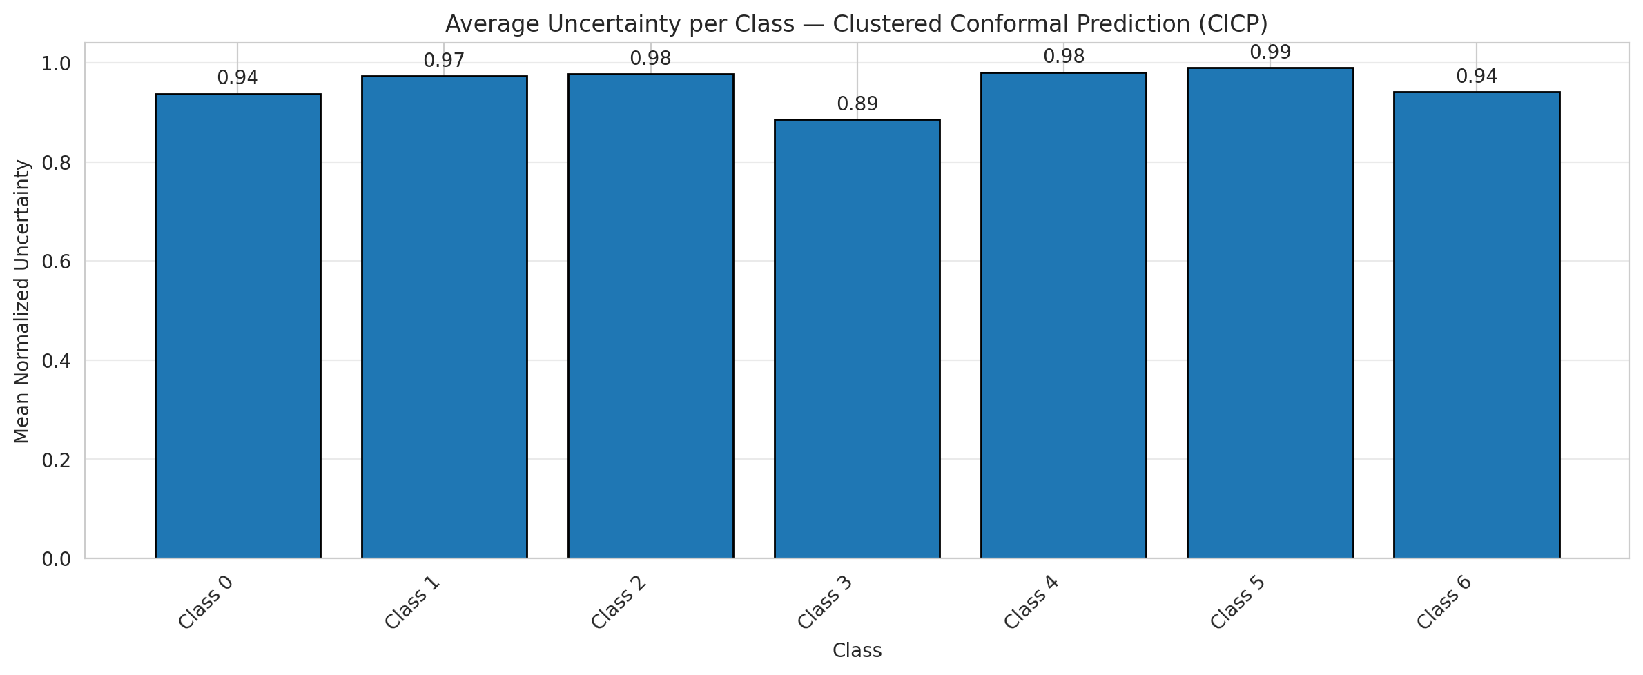
ClusteredConformal - GFNet |  |  |  |  |  |  |  |  | Per-Class Coverage
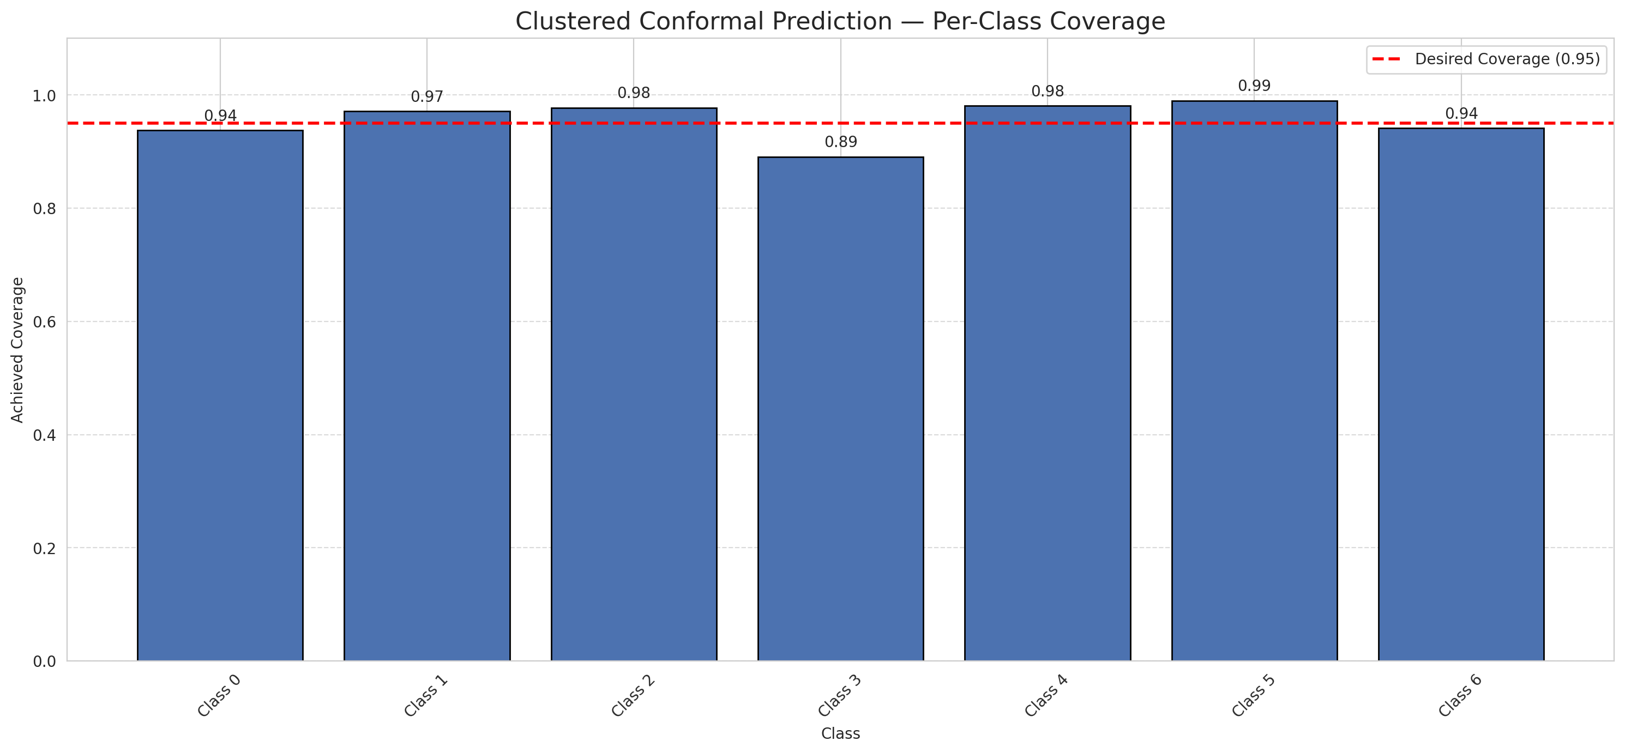
Summary
model_name | method | target_coverage | empirical_coverage | avg_set_size | median_set_size | singleton_rate | empty_set_rate | runtime_sec | alpha | lam | n_clusters | mean_per_class_coverage
GFNet | ClusteredConformal | 0.95 | 0.95266821346 | 0.95266821346 | 1 | 0.95266821346 | 0.047331786543 | 4.8237162 | 0.05 |  | 4 | 0.95567519769

Per-Class Coverage Values
class_id | class_coverage | support_count
0 | 0.93763676149 | 914
1 | 0.97136563877 | 454
2 | 0.97765363128 | 358
3 | 0.89102564103 | 156
4 | 0.98076923077 | 104
5 | 0.9900990099 | 101
6 | 0.94117647059 | 68

Class-to-Cluster Assignment
class_id | cluster_id
0 | 2
1 | 0
2 | 0
3 | 0
4 | 3 |  |  |  |  |  |  |  | Uncertainty Distribution
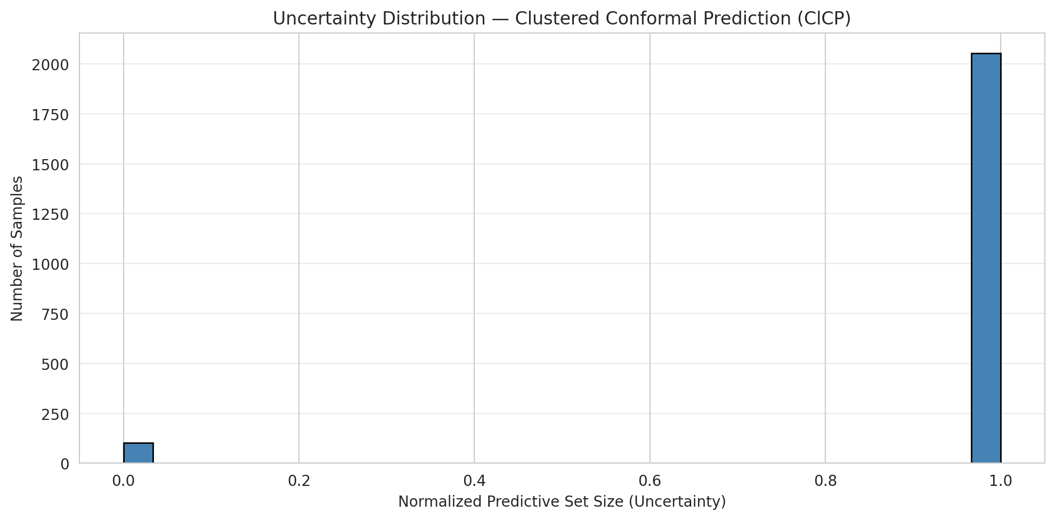
5 | 1
6 | 1

Cluster q_hat
cluster_id | q_hat_cluster
0 | 0.040102135676
1 | 0.074678371787
2 | 0.0014933562593
3 | 0.0082408370955

Cluster Mean Uncertainty
cluster | uncertainty
0 | 0.96074380165
1 | 0.97041420118
2 | 0.93763676149
3 | 0.98076923077

Class Mean Uncertainty
class_id | uncertainty
0 | 0.93763676149
1 | 0.97350993377 |  |  |  |  |  |  |  | Avg Uncertainty per Cluster
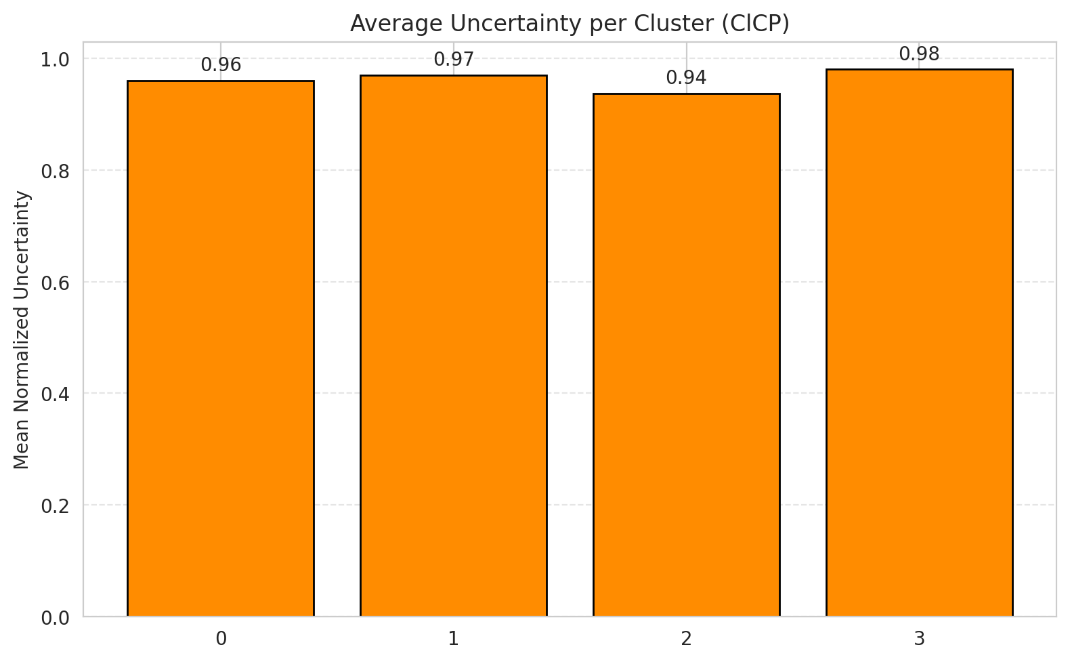
2 | 0.97765363128
3 | 0.88535031847
4 | 0.98076923077
5 | 0.9900990099
6 | 0.94117647059

 |  |  |  |  |  |  |  |  | Avg Uncertainty per Class

RAPS_GFNet
RAPS - GFNet |  |  |  |  |  |  |  |  | Per-Class Coverage
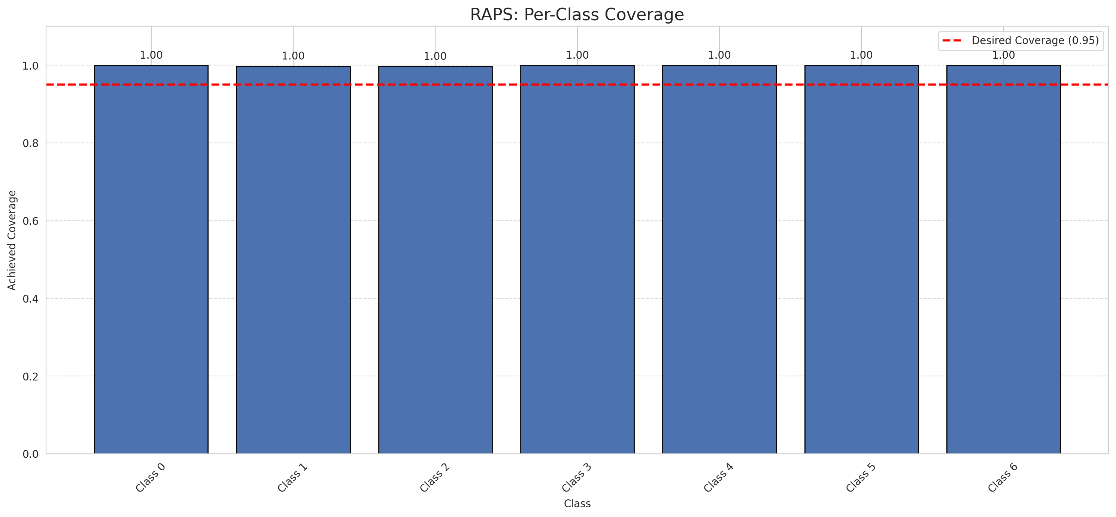
Summary
model_name | method | target_coverage | empirical_coverage | avg_set_size | median_set_size | singleton_rate | empty_set_rate | runtime_sec | alpha | lam | n_clusters | mean_per_class_coverage
GFNet | RAPS | 0.95 | 0.99907192575 | 1 | 1 | 1 | 0 | 0.383280007 | 0.05 | 0.01 |  | 0.99928629439

Per-Class Coverage Values
class_id | class_coverage | support_count
0 | 1 | 914
1 | 0.99779735683 | 454
2 | 0.99720670391 | 358
3 | 1 | 156
4 | 1 | 104
5 | 1 | 101
6 | 1 | 68

RAPS Parameters
q_hat_raps | lambda | k_reg
0 | 0.01 | 1

Split_ViT
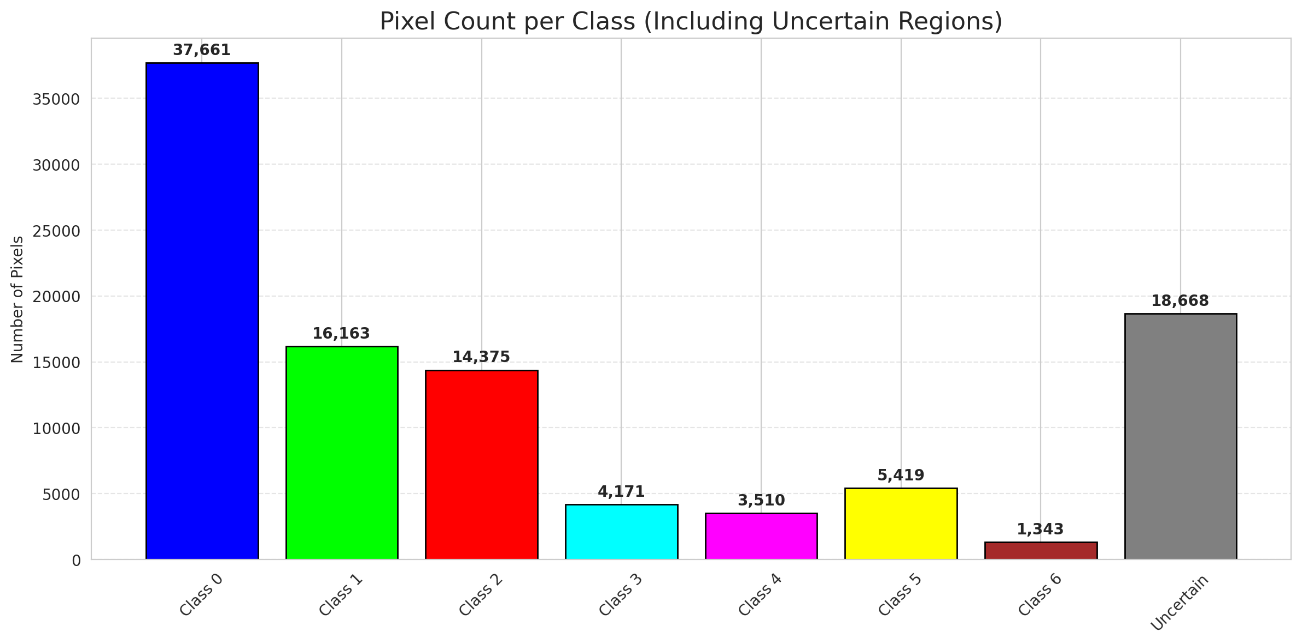
SplitConformal - ViT |  |  |  |  |  |  |  |  | Per-Class Coverage
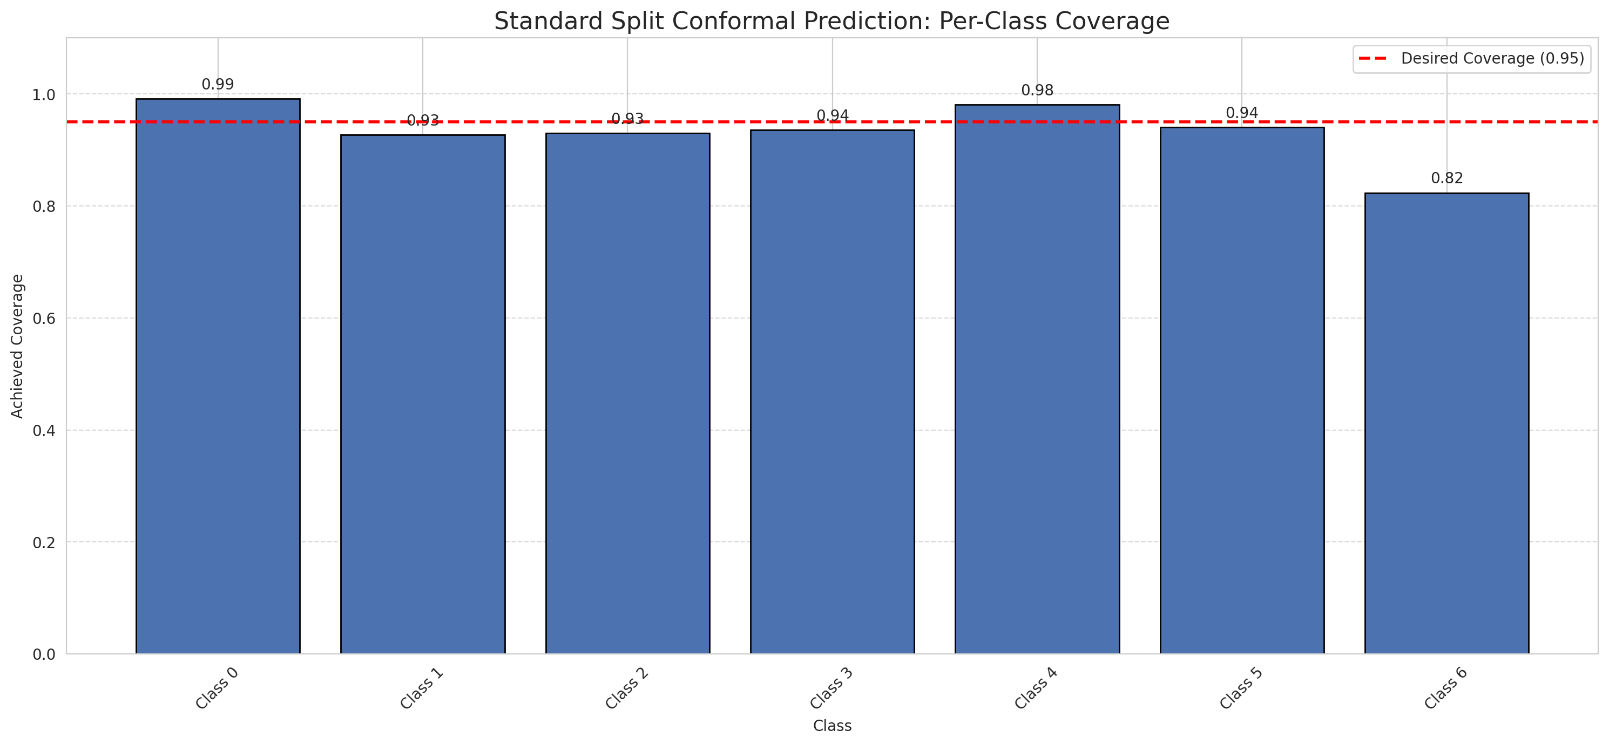
Summary
model_name | method | target_coverage | empirical_coverage | avg_set_size | median_set_size | singleton_rate | empty_set_rate | runtime_sec | alpha | lam | n_clusters | mean_per_class_coverage
ViT | SplitConformal | 0.95 | 0.95545243619 | 0.95591647332 | 1 | 0.95591647332 | 0.044083526682 | 1.557962924 | 0.05 |  |  | 0.93278825367

Per-Class Coverage Values
class_id | class_coverage | support_count
0 | 0.99124726477 | 914
1 | 0.92731277533 | 454
2 | 0.93016759777 | 358
3 | 0.9358974359 | 156
4 | 0.98076923077 | 104
5 | 0.94059405941 | 101
6 | 0.82352941176 | 68

Pixel Counts
class_id | label | pixel_count
0 | Class 0 | 37661
1 | Class 1 | 16163
2 | Class 2 | 14375
3 | Class 3 | 4171
4 | Class 4 | 3510 |  |  |  |  |  |  | Certain vs Uncertain Map
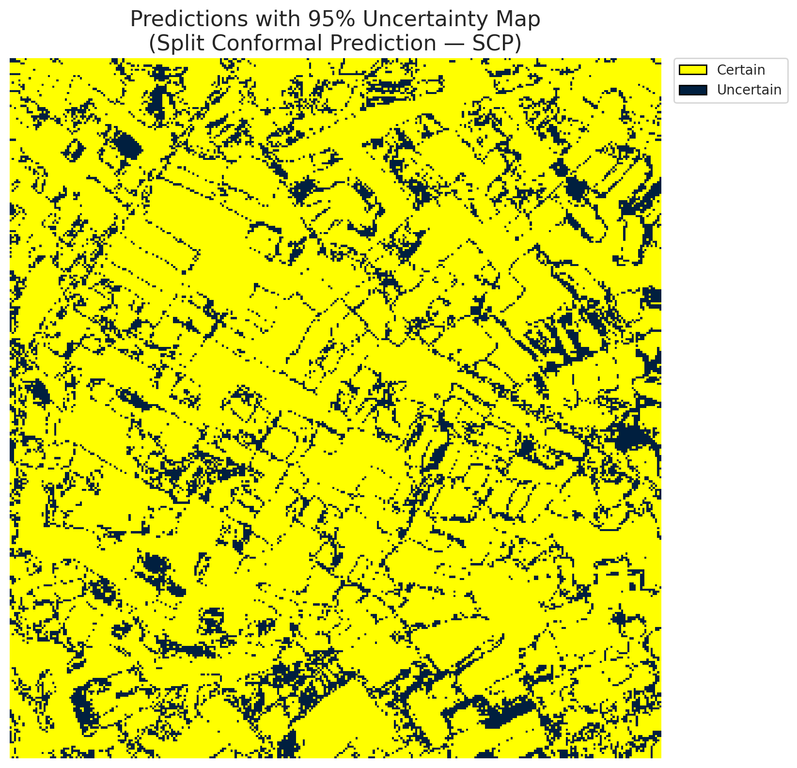
5 | Class 5 | 5419
6 | Class 6 | 1343
7 | Uncertain | 18668

Threshold
q_hat_split
0.064452337478

 |  |  |  |  |  |  |  |  | Class Map with Uncertain Mask
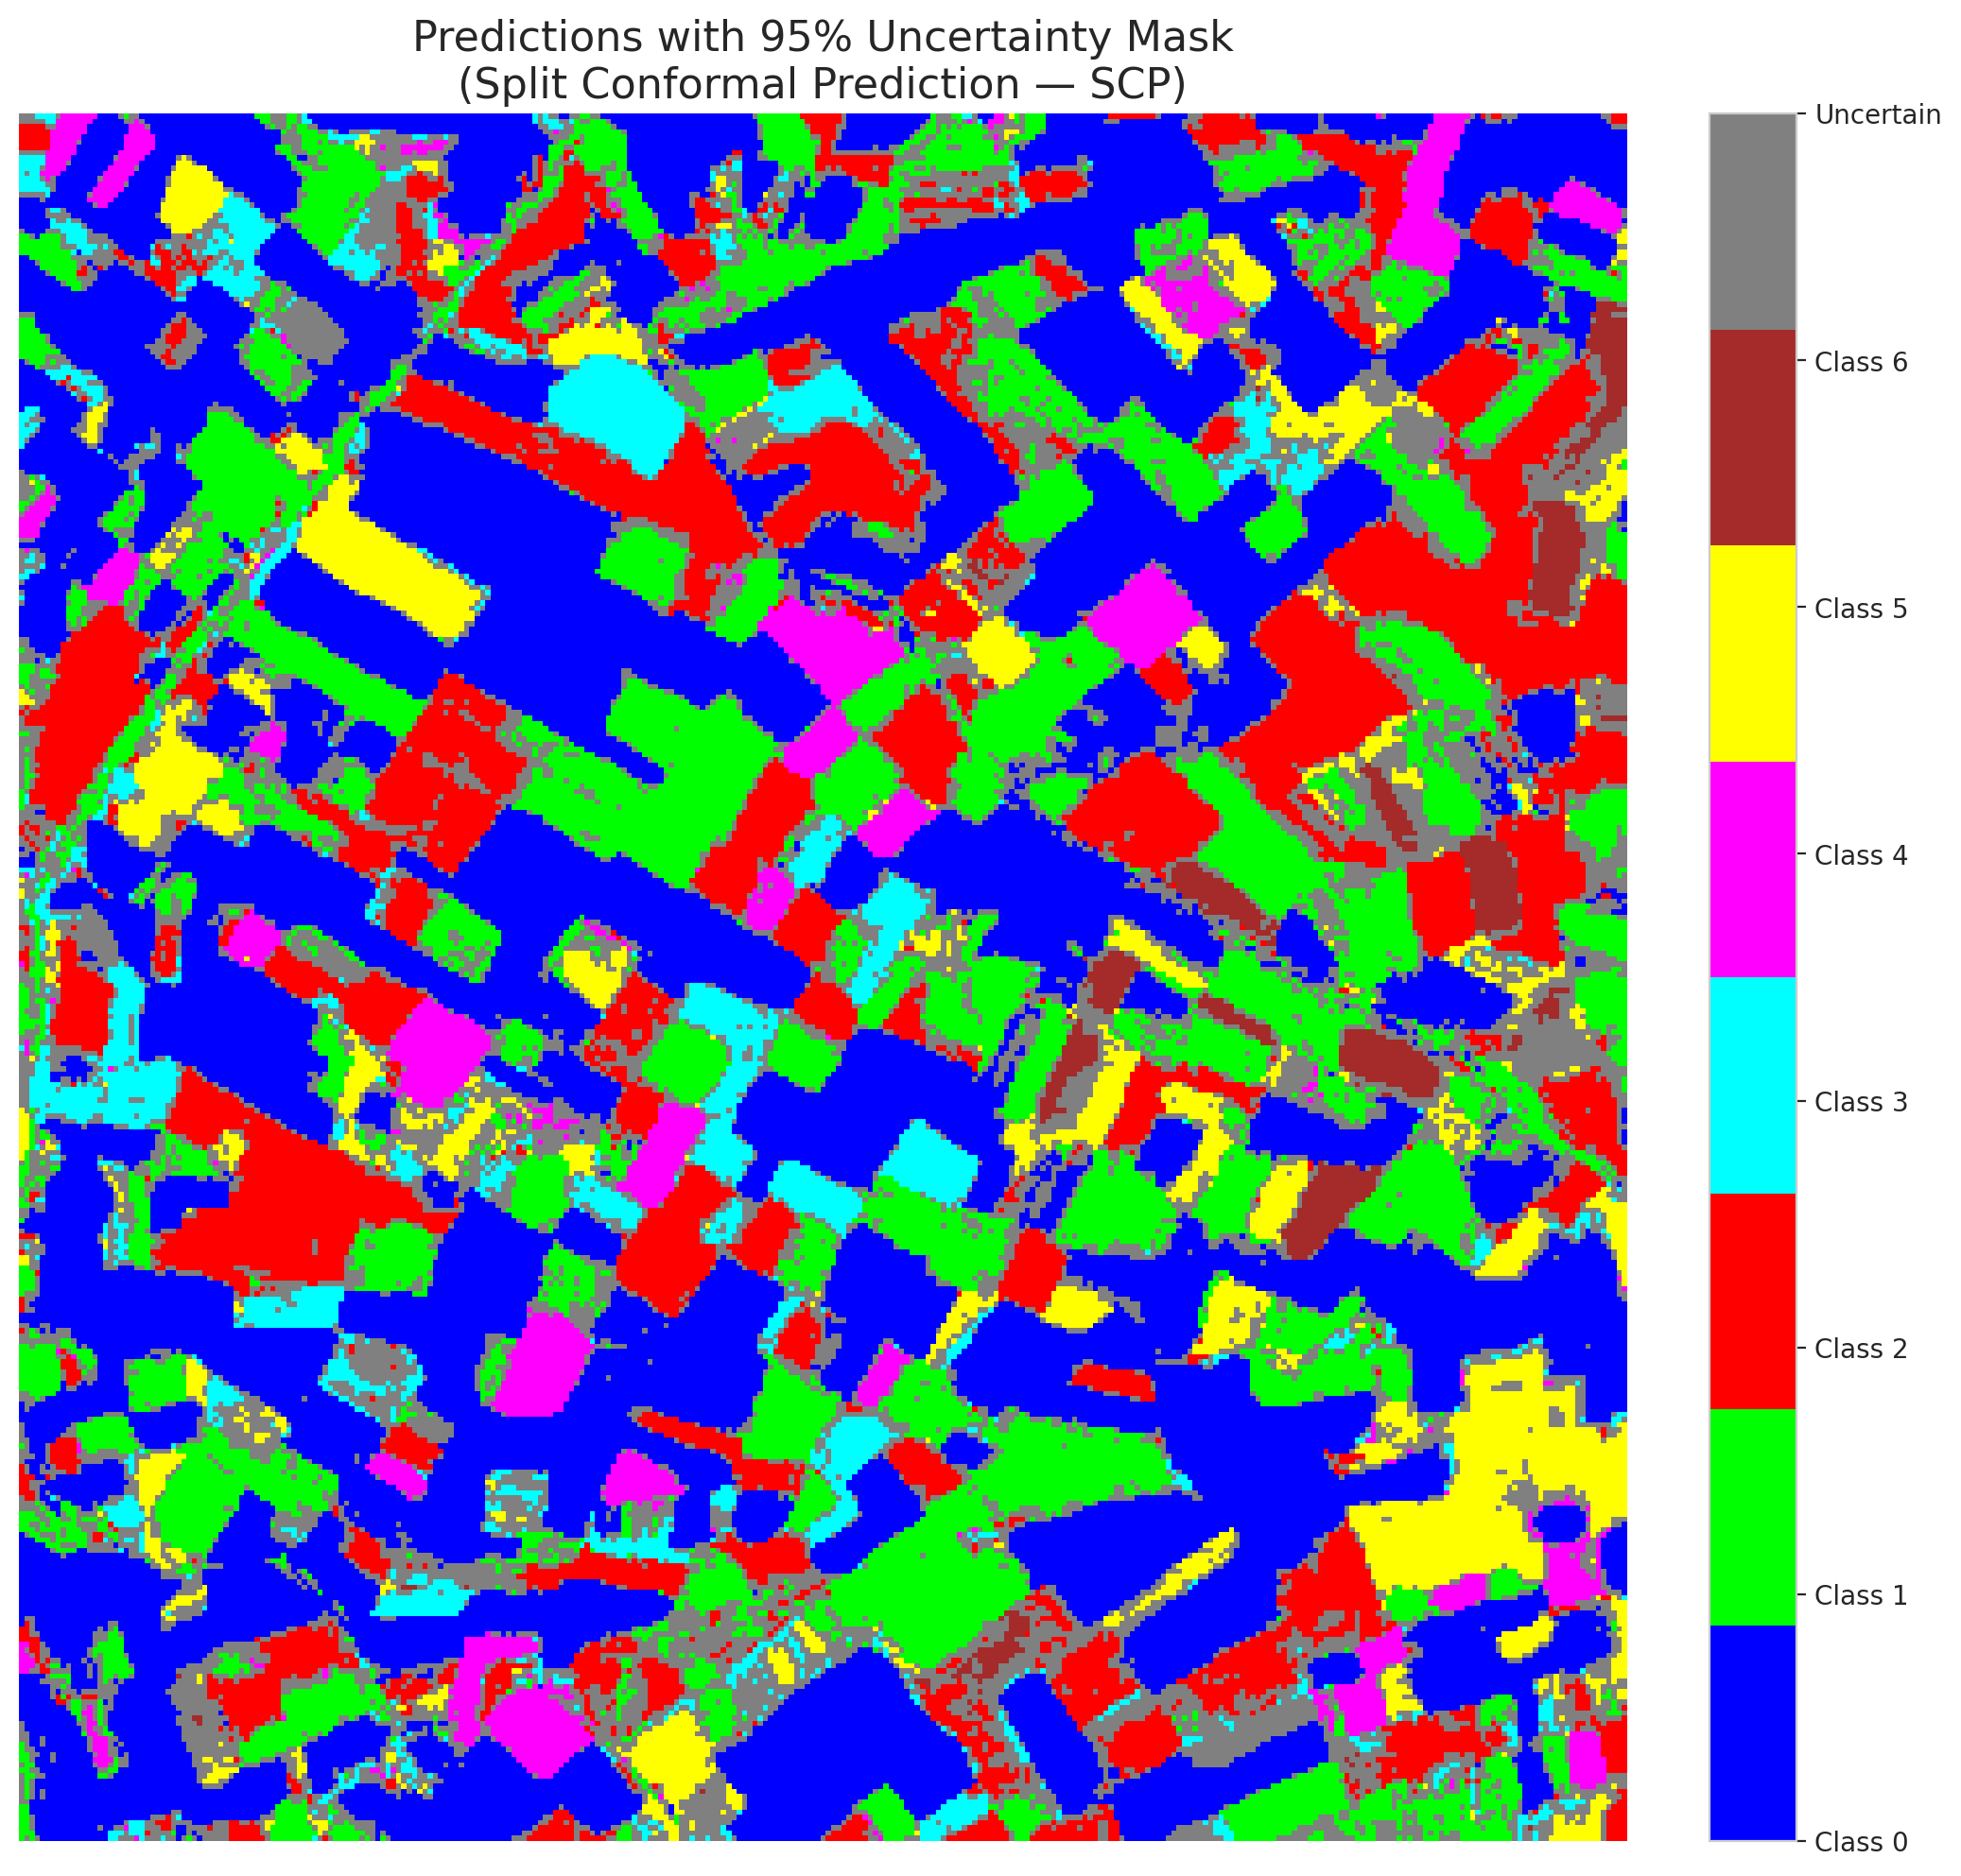

 |  |  |  |  |  |  |  |  | Pixel Counts

ClassCond_ViT
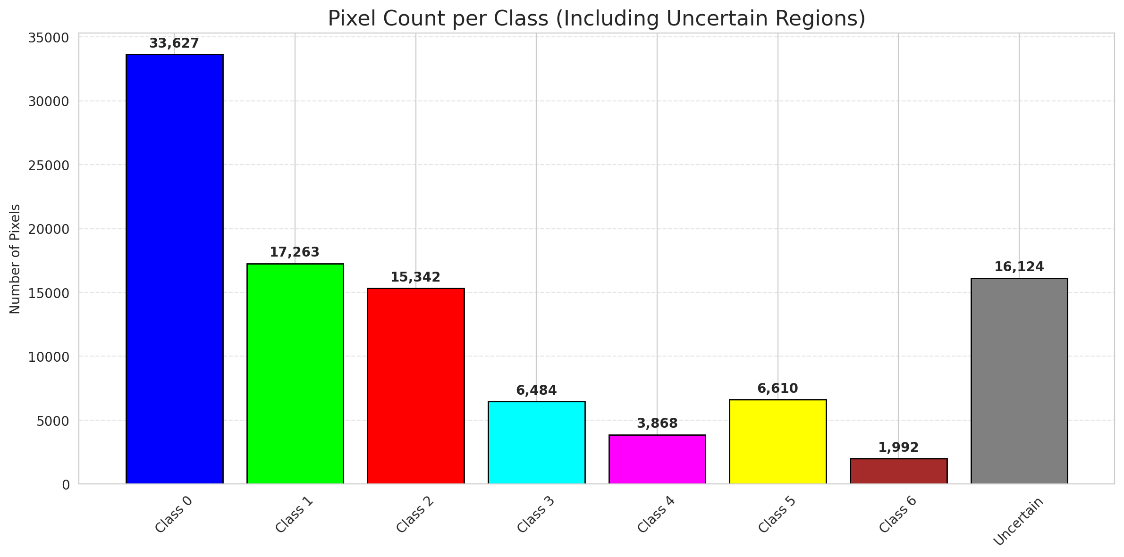
ClassConditionalConformal - ViT |  |  |  |  |  |  |  |  | Per-Class Coverage
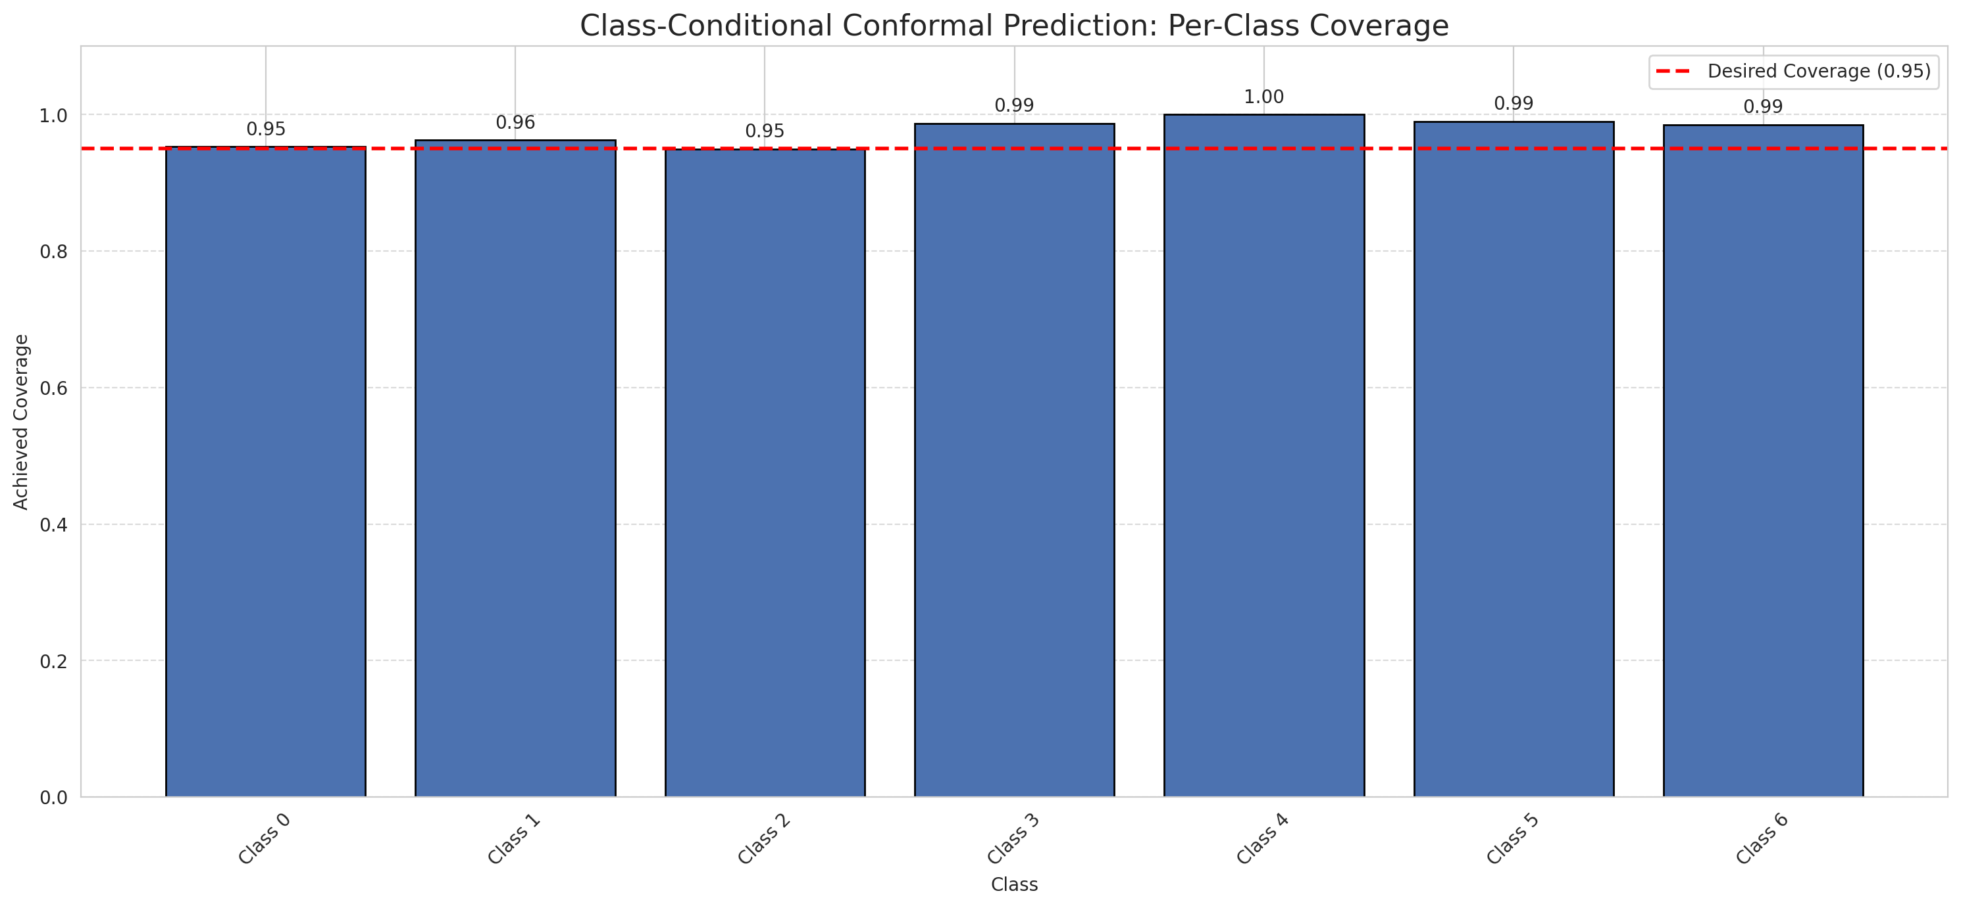
Summary
model_name | method | target_coverage | empirical_coverage | avg_set_size | median_set_size | singleton_rate | empty_set_rate | runtime_sec | alpha | lam | n_clusters | mean_per_class_coverage
ViT | ClassConditionalConformal | 0.95 | 0.96194895592 | 0.96380510441 | 1 | 0.96380510441 | 0.036194895592 | 1.597393485 | 0.05 |  |  | 0.97540034276

Per-Class Coverage Values
class_id | class_coverage | support_count
0 | 0.95295404814 | 914
1 | 0.96255506608 | 454
2 | 0.94972067039 | 358
3 | 0.98717948718 | 156
4 | 1 | 104
5 | 0.9900990099 | 101
6 | 0.98529411765 | 68

Pixel Counts
class_id | label | pixel_count
0 | Class 0 | 33627
1 | Class 1 | 17263
2 | Class 2 | 15342
3 | Class 3 | 6484
4 | Class 4 | 3868 |  |  |  |  |  |  | Certain vs Uncertain Map
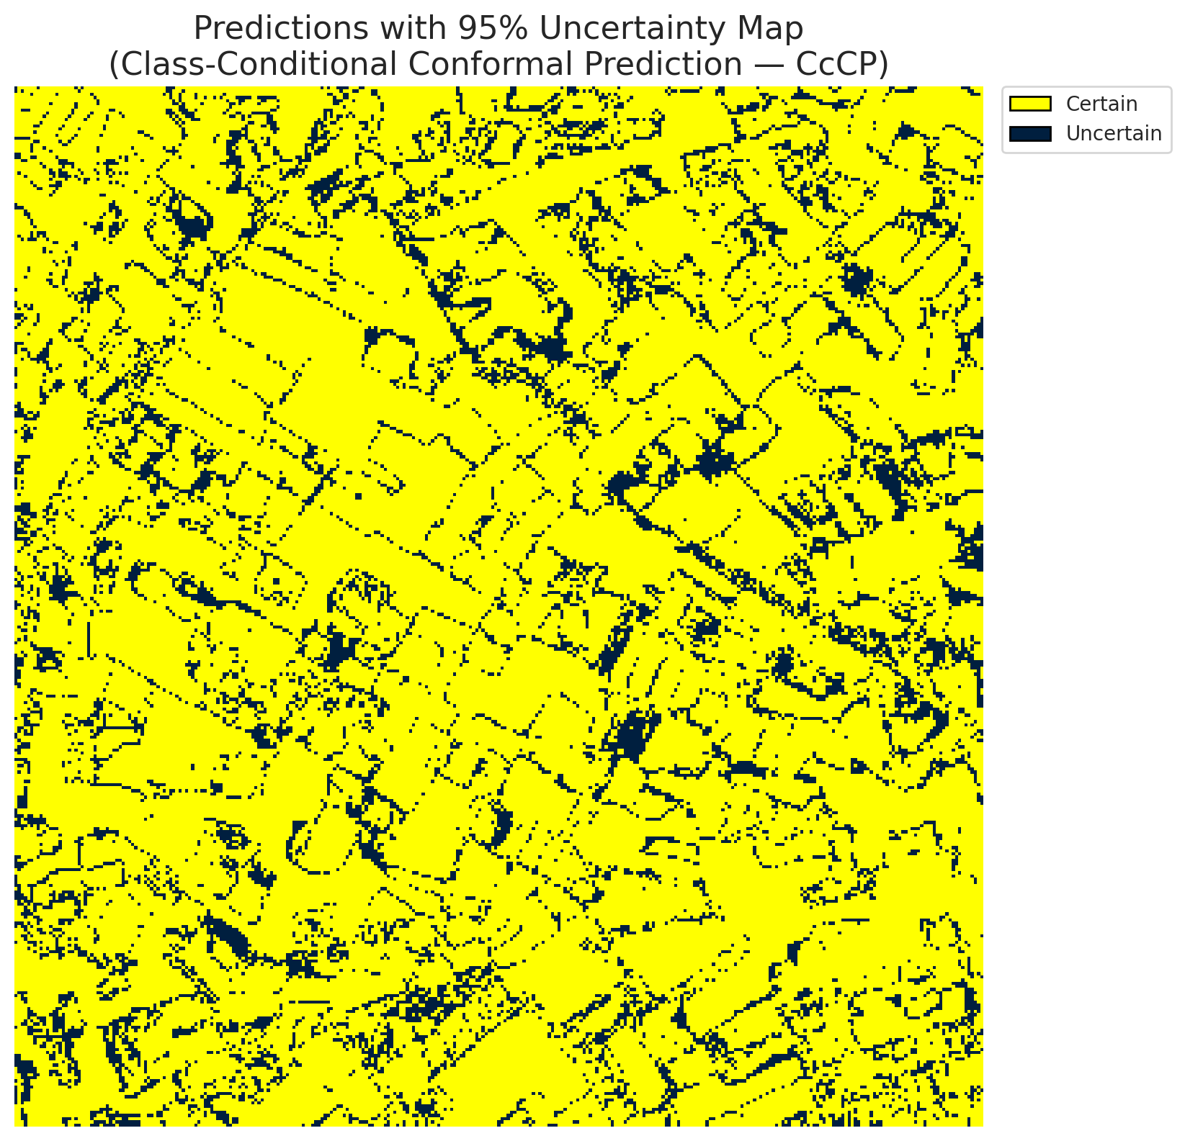
5 | Class 5 | 6610
6 | Class 6 | 1992
7 | Uncertain | 16124

Classwise q_hat
class_id | q_hat_classconditional
0 | 0.0012051639791
1 | 0.11397187256
2 | 0.12940913388
3 | 0.43689745067
4 | 0.20976012602
5 | 0.24668902709
6 | 0.32646990988

 |  |  |  |  |  |  |  |  | Class Map with Uncertain Mask
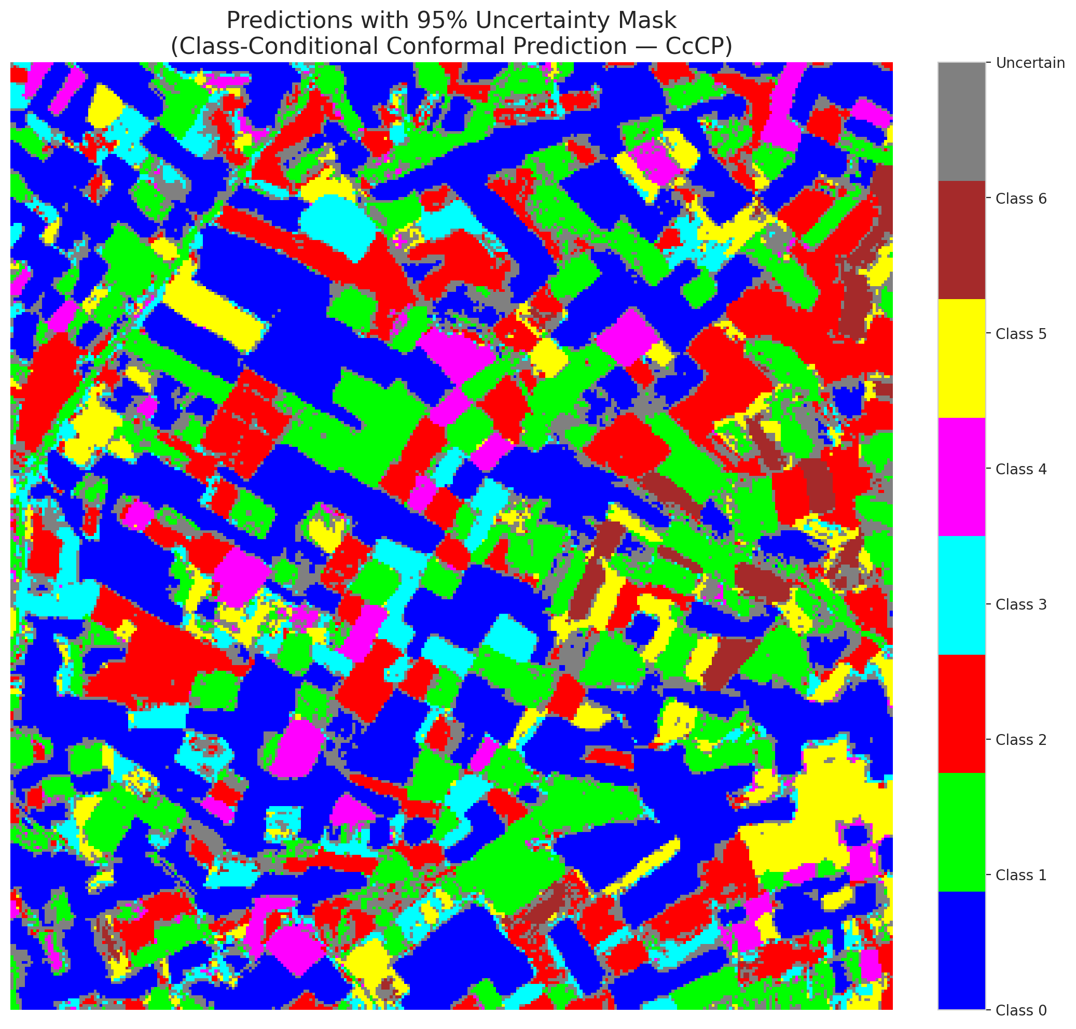

 |  |  |  |  |  |  |  |  | Pixel Counts

RC3P_ViT

RC3P - ViT |  |  |  |  |  |  |  |  | Per-Class Coverage
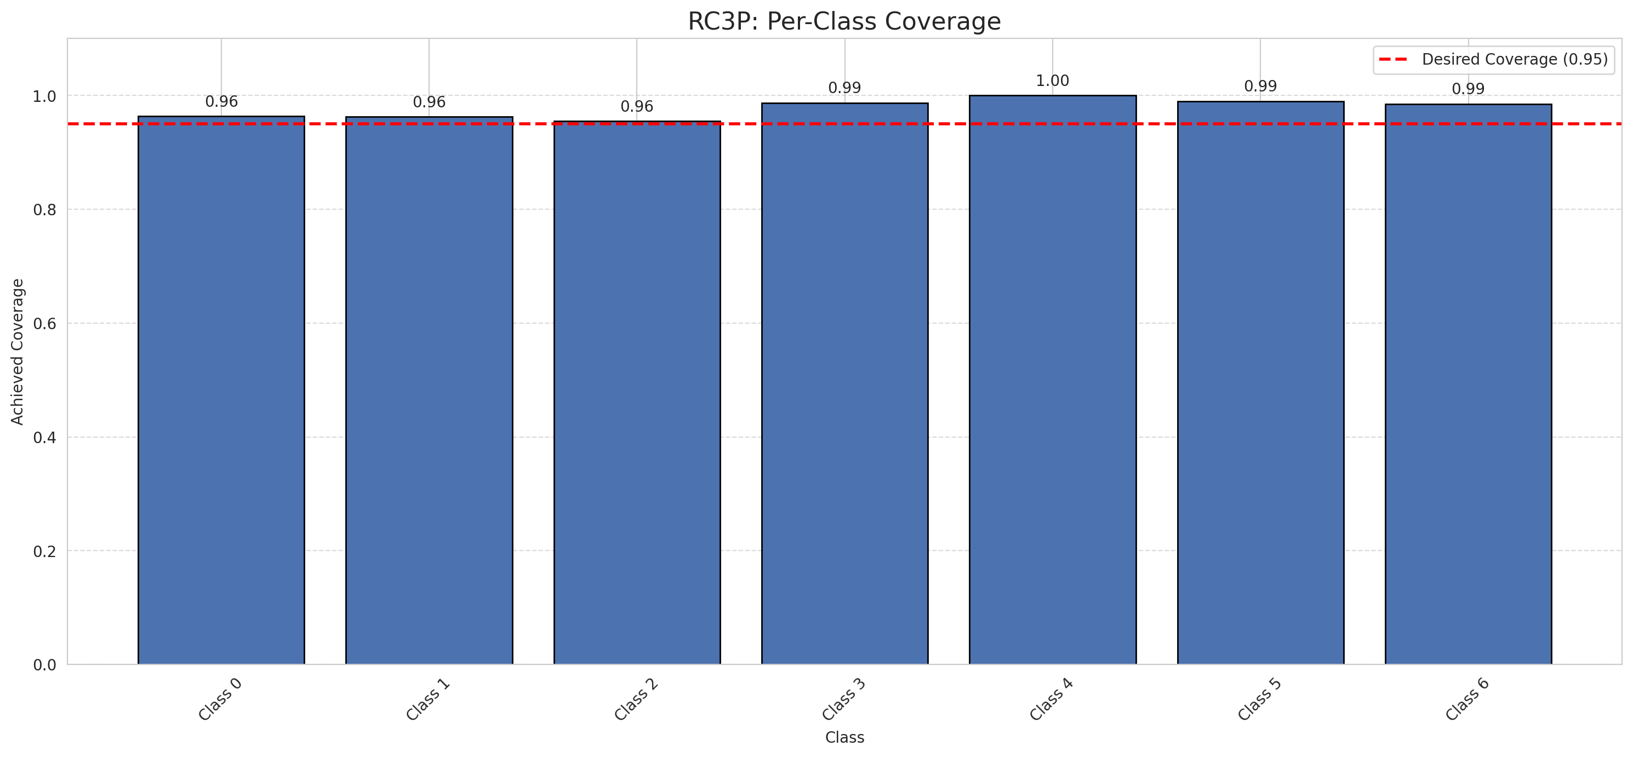
Summary
model_name | method | target_coverage | empirical_coverage | avg_set_size | median_set_size | singleton_rate | empty_set_rate | runtime_sec | alpha | lam | n_clusters | mean_per_class_coverage
ViT | RC3P | 0.95 | 0.96751740139 | 0.96937354988 | 1 | 0.96937354988 | 0.030626450116 | 1.905783445 | 0.05 |  |  | 0.97776141579

Per-Class Coverage Values
class_id | class_coverage | support_count
0 | 0.96389496718 | 914
1 | 0.96255506608 | 454
2 | 0.95530726257 | 358
3 | 0.98717948718 | 156
4 | 1 | 104
5 | 0.9900990099 | 101
6 | 0.98529411765 | 68

Pixel Counts
class_id | label | pixel_count
0 | Class 0 | 34698
1 | Class 1 | 17309
2 | Class 2 | 15681
3 | Class 3 | 6752
4 | Class 4 | 3955 |  |  |  |  |  |  | Certain vs Uncertain Map
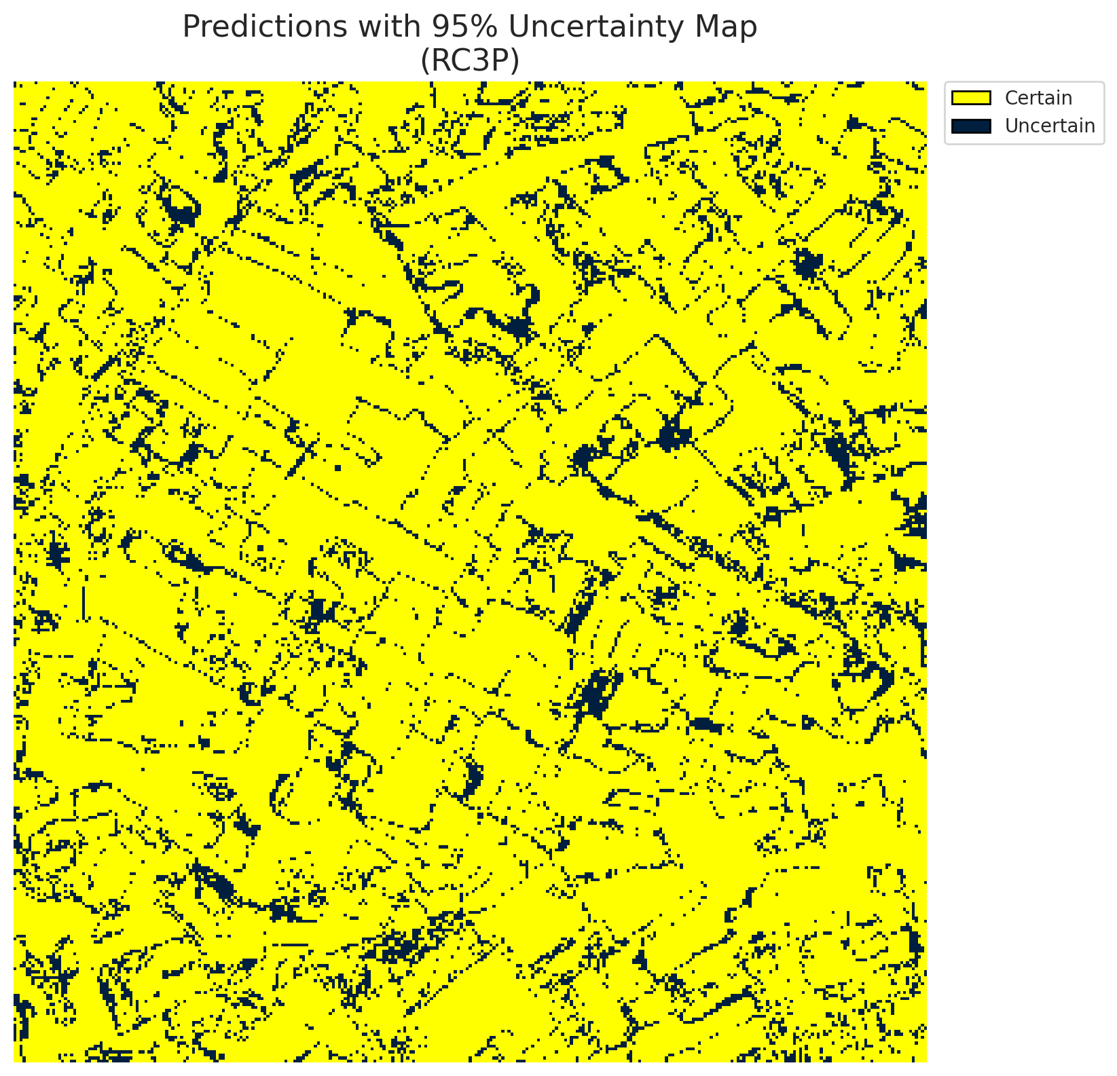
5 | Class 5 | 7059
6 | Class 6 | 1992
7 | Uncertain | 13864

RC3P Thresholds & Limits
class_id | q_hat_rc3p | suit_index_limit
0 | 0.0029367864083 | 1
1 | 0.11653381354 | 1
2 | 0.15968011451 | 1
3 | 0.49118291285 | 1
4 | 0.26707408099 | 1
5 | 0.37410096228 | 1
6 | 0.32646990988 | 1

 |  |  |  |  |  |  |  |  | Class Map with Uncertain Mask
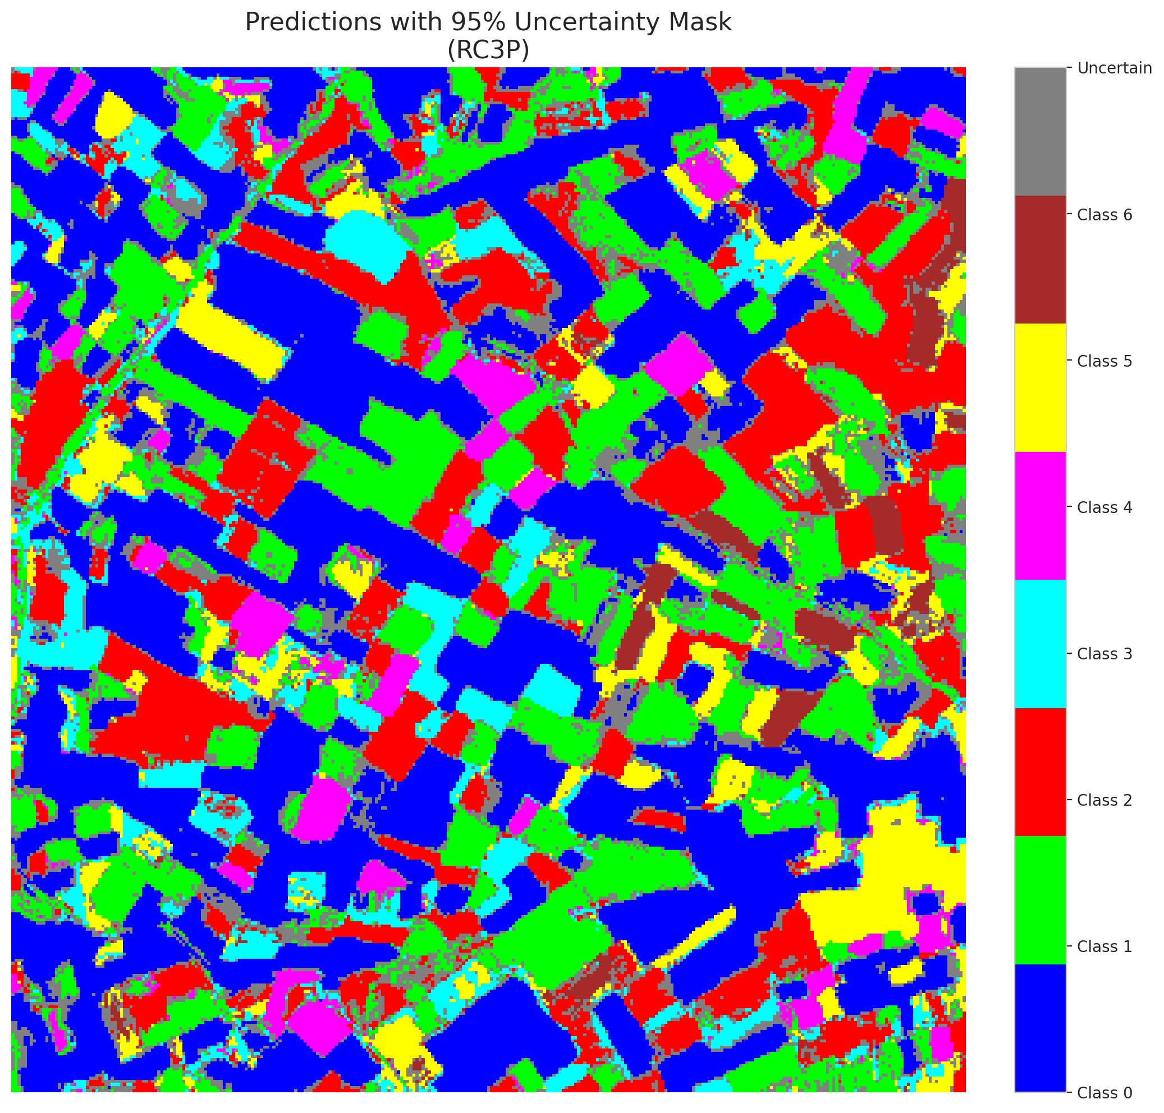

 |  |  |  |  |  |  |  |  | Pixel Counts

Clustered_ViT
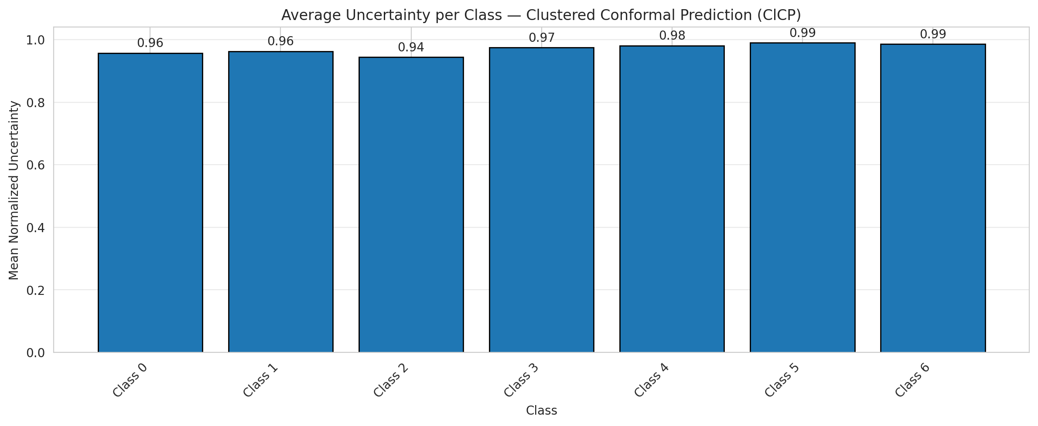
ClusteredConformal - ViT |  |  |  |  |  |  |  |  | Per-Class Coverage
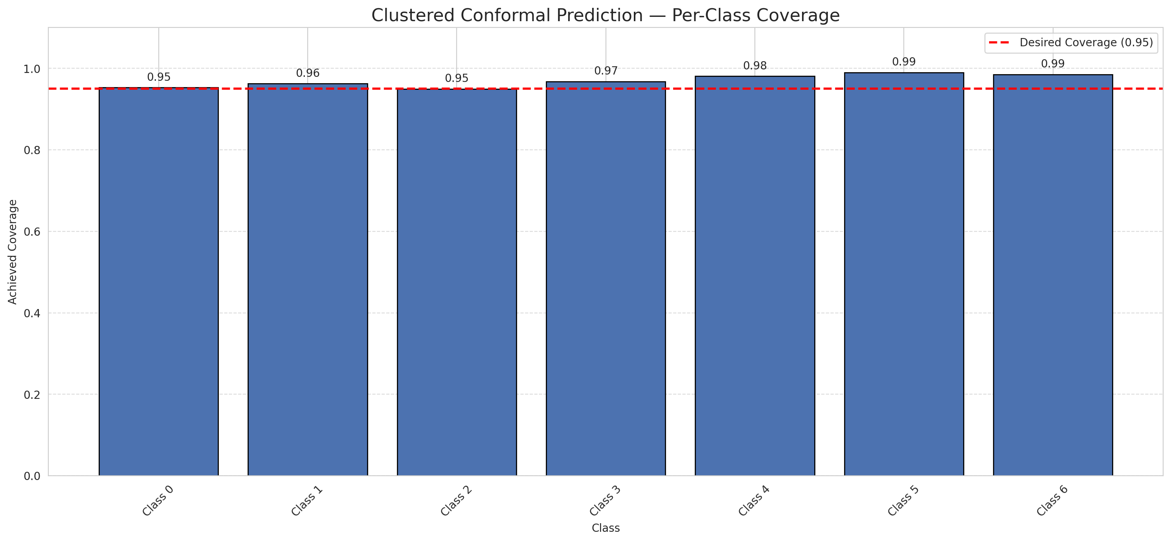
Summary
model_name | method | target_coverage | empirical_coverage | avg_set_size | median_set_size | singleton_rate | empty_set_rate | runtime_sec | alpha | lam | n_clusters | mean_per_class_coverage
ViT | ClusteredConformal | 0.95 | 0.9596287703 | 0.96102088167 | 1 | 0.96102088167 | 0.038979118329 | 11.881354034 | 0.05 |  | 4 | 0.96990583727

Per-Class Coverage Values
class_id | class_coverage | support_count
0 | 0.95295404814 | 914
1 | 0.96255506608 | 454
2 | 0.94972067039 | 358
3 | 0.96794871795 | 156
4 | 0.98076923077 | 104
5 | 0.9900990099 | 101
6 | 0.98529411765 | 68

Class-to-Cluster Assignment
class_id | cluster_id
0 | 2
1 | 0
2 | 0
3 | 0
4 | 1 |  |  |  |  |  |  |  | Uncertainty Distribution
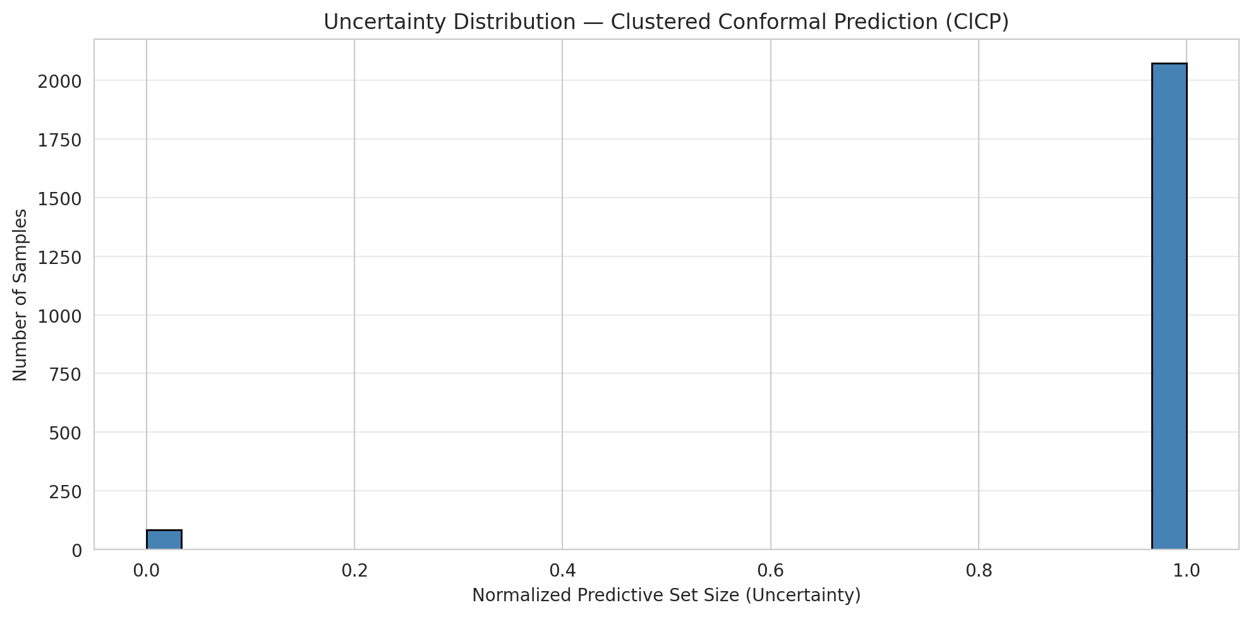
5 | 1
6 | 3

Cluster q_hat
cluster_id | q_hat_cluster
0 | 0.11653381354
1 | 0.14336778176
2 | 0.0012051639791
3 | 0.32646990988

Cluster Mean Uncertainty
cluster | uncertainty
0 | 0.95777548919
1 | 0.9854368932
2 | 0.95714285714
3 | 0.98529411765

Class Mean Uncertainty
class_id | uncertainty
0 | 0.95714285714
1 | 0.96263736264 |  |  |  |  |  |  |  | Avg Uncertainty per Cluster

2 | 0.94444444444
3 | 0.97435897436
4 | 0.98095238095
5 | 0.9900990099
6 | 0.98529411765

 |  |  |  |  |  |  |  |  | Avg Uncertainty per Class

RAPS_ViT
RAPS - ViT |  |  |  |  |  |  |  |  | Per-Class Coverage
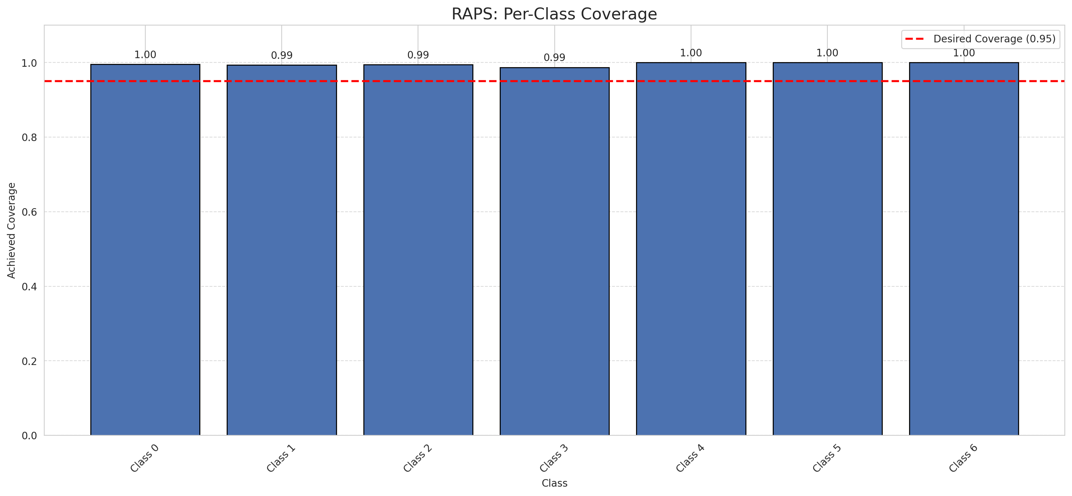
Summary
model_name | method | target_coverage | empirical_coverage | avg_set_size | median_set_size | singleton_rate | empty_set_rate | runtime_sec | alpha | lam | n_clusters | mean_per_class_coverage
ViT | RAPS | 0.95 | 0.99489559165 | 1 | 1 | 1 | 0 | 0.409444684 | 0.05 | 0.01 |  | 0.99580122827

Per-Class Coverage Values
class_id | class_coverage | support_count
0 | 0.99562363239 | 914
1 | 0.99339207048 | 454
2 | 0.99441340782 | 358
3 | 0.98717948718 | 156
4 | 1 | 104
5 | 1 | 101
6 | 1 | 68

RAPS Parameters
q_hat_raps | lambda | k_reg
0 | 0.01 | 1

Compare_Clustered
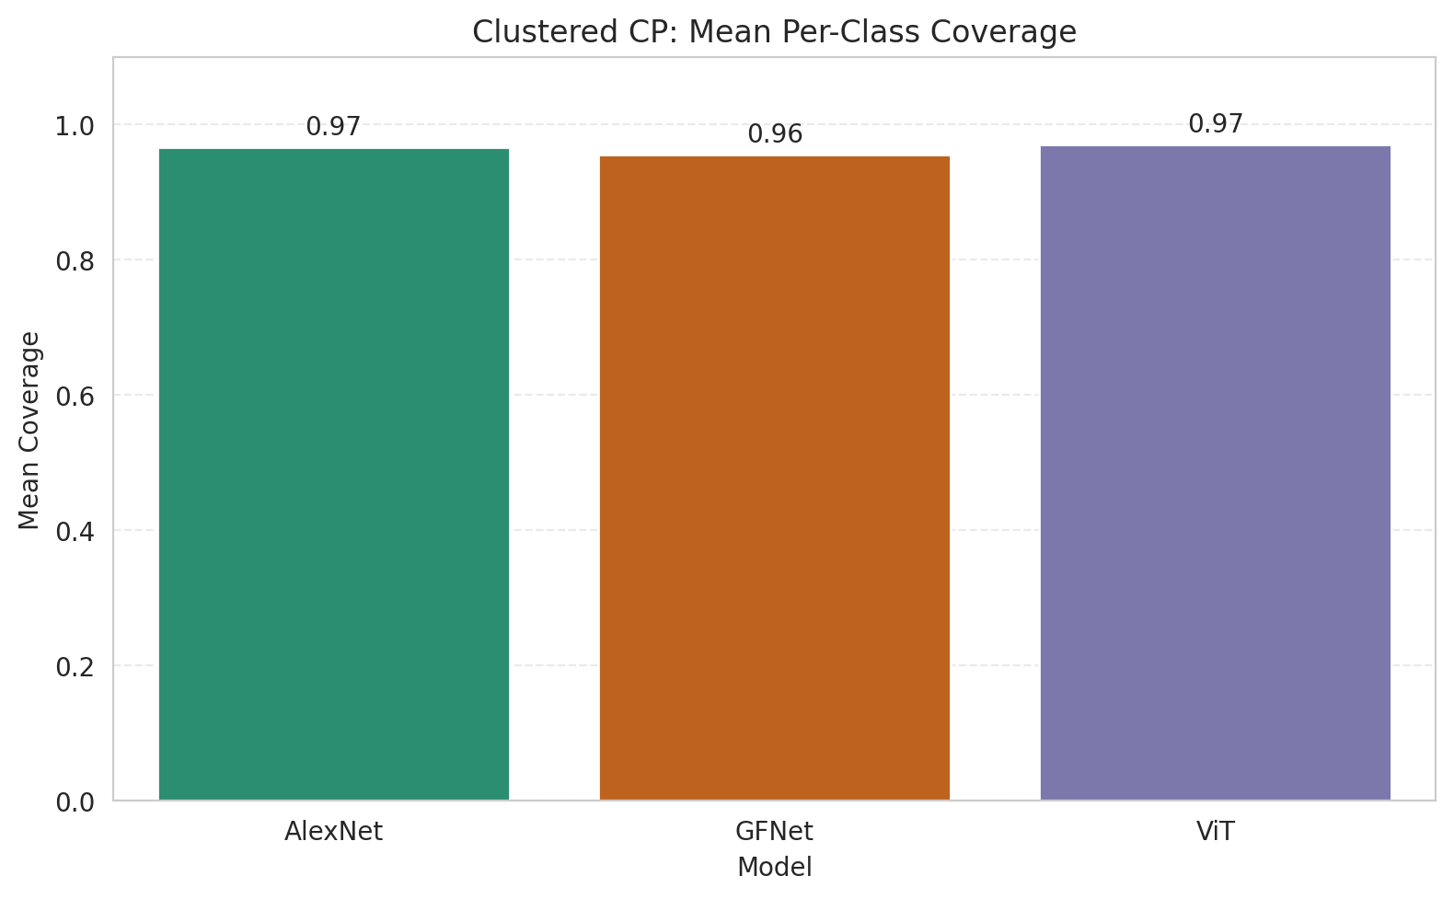
Clustered CP: 3-Model Comparison

model_name | method | target_coverage | empirical_coverage | avg_set_size | median_set_size | singleton_rate | empty_set_rate | model_name | mean_per_class_coverage | lam | n_clusters | mean_per_class_coverage
AlexNet | ClusteredConformal | 0.95 | 0.96426914153 | 0.96798143852 | 1 | 0.96798143852 | 0.032018561485 | AlexNet | 0.96594625428 |  | 4 | 0.96594625428
GFNet | ClusteredConformal | 0.95 | 0.95266821346 | 0.95266821346 | 1 | 0.95266821346 | 0.047331786543 | GFNet | 0.95567519769 |  | 4 | 0.95567519769
ViT | ClusteredConformal | 0.95 | 0.9596287703 | 0.96102088167 | 1 | 0.96102088167 | 0.038979118329 | ViT | 0.96990583727 |  | 4 | 0.96990583727

Grouped Metrics Comparison

Mean Per-Class Coverage Comparison

Compare_RAPS
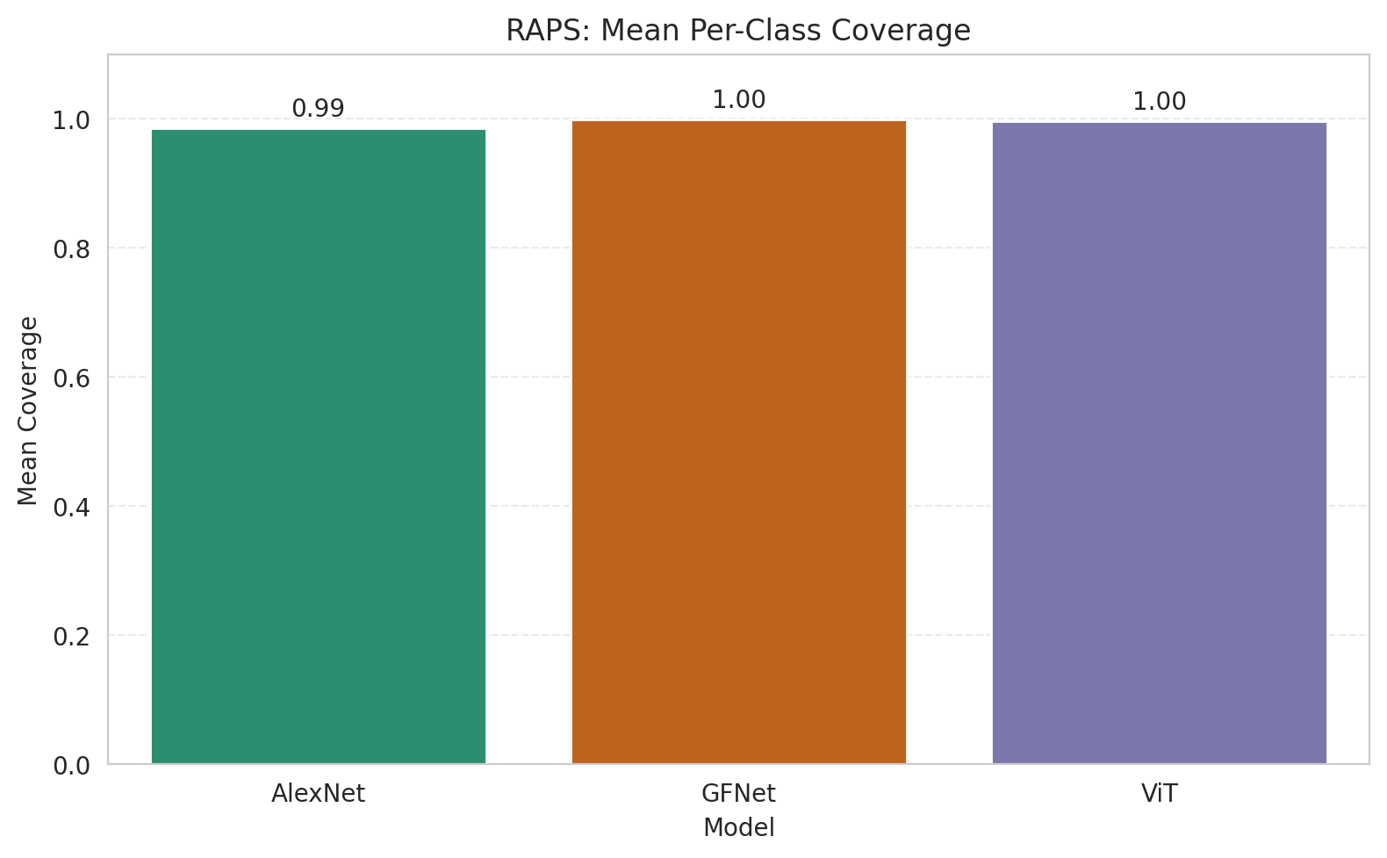
RAPS: 3-Model Comparison

model_name | method | target_coverage | empirical_coverage | avg_set_size | median_set_size | singleton_rate | empty_set_rate | model_name | mean_per_class_coverage | lam | n_clusters | mean_per_class_coverage
AlexNet | RAPS | 0.95 | 0.99164733179 | 1 | 1 | 1 | 0 | AlexNet | 0.9852202781 | 0.01 |  | 0.9852202781
GFNet | RAPS | 0.95 | 0.99907192575 | 1 | 1 | 1 | 0 | GFNet | 0.99928629439 | 0.01 |  | 0.99928629439
ViT | RAPS | 0.95 | 0.99489559165 | 1 | 1 | 1 | 0 | ViT | 0.99580122827 | 0.01 |  | 0.99580122827

Grouped Metrics Comparison

Mean Per-Class Coverage Comparison

