Split_GeoRSCLIP_TextHead
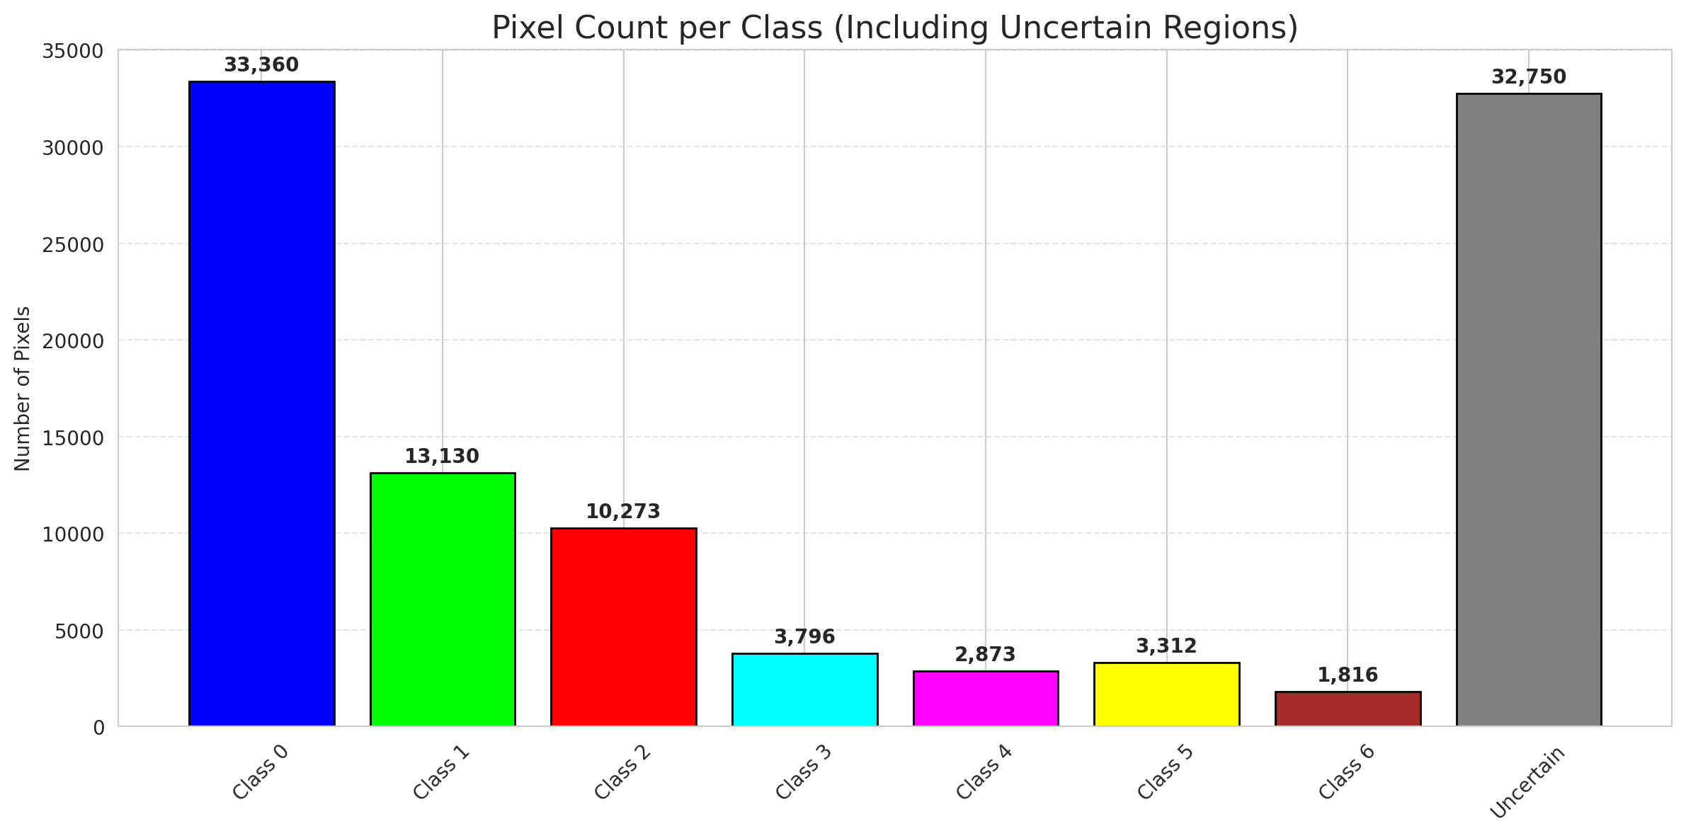
SplitConformal - GeoRSCLIP_TextHead |  |  |  |  |  |  |  |  | Per-Class Coverage
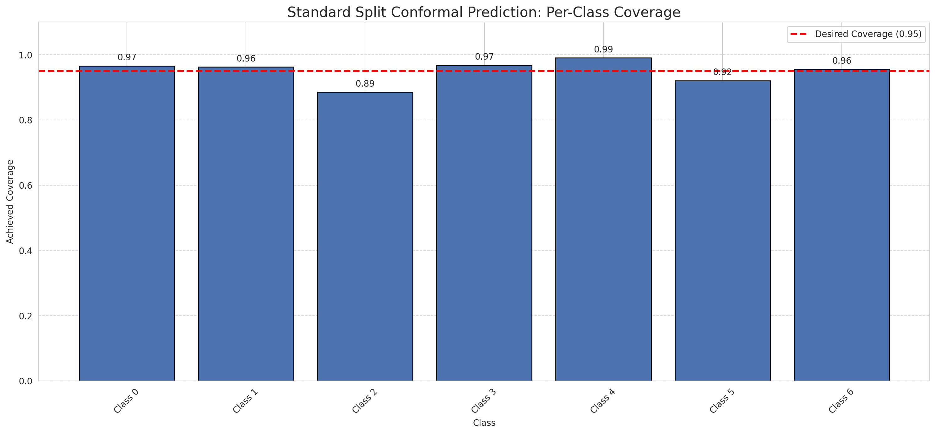
Summary
model_name | method | target_coverage | empirical_coverage | avg_set_size | median_set_size | singleton_rate | empty_set_rate | runtime_sec | alpha | lam | n_clusters | mean_per_class_coverage
GeoRSCLIP_TextHead | SplitConformal | 0.95 | 0.95081206497 | 0.95081206497 | 1 | 0.95081206497 | 0.049187935035 | 1.801946969 | 0.05 |  |  | 0.94987440613

Per-Class Coverage Values
class_id | class_coverage | support_count
0 | 0.96608315098 | 914
1 | 0.96255506608 | 454
2 | 0.88547486034 | 358
3 | 0.96794871795 | 156
4 | 0.99038461538 | 104
5 | 0.92079207921 | 101
6 | 0.95588235294 | 68

Pixel Counts
class_id | label | pixel_count
0 | Class 0 | 33360
1 | Class 1 | 13130
2 | Class 2 | 10273
3 | Class 3 | 3796
4 | Class 4 | 2873 |  |  |  |  |  |  | Certain vs Uncertain Map
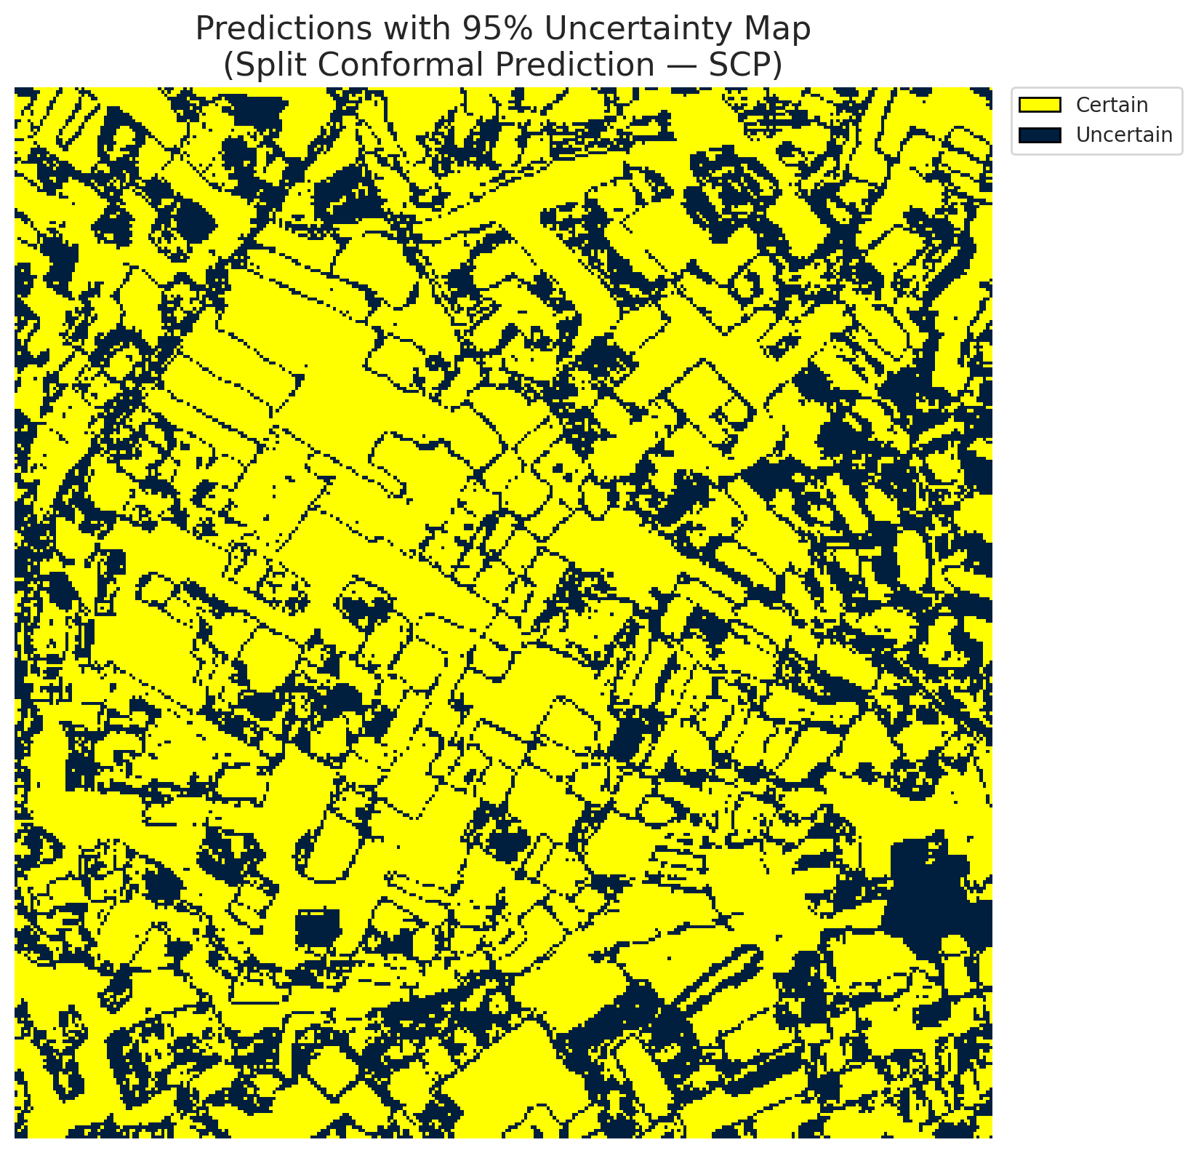
5 | Class 5 | 3312
6 | Class 6 | 1816
7 | Uncertain | 32750

Threshold
q_hat_split
0.03693484942

 |  |  |  |  |  |  |  |  | Class Map with Uncertain Mask
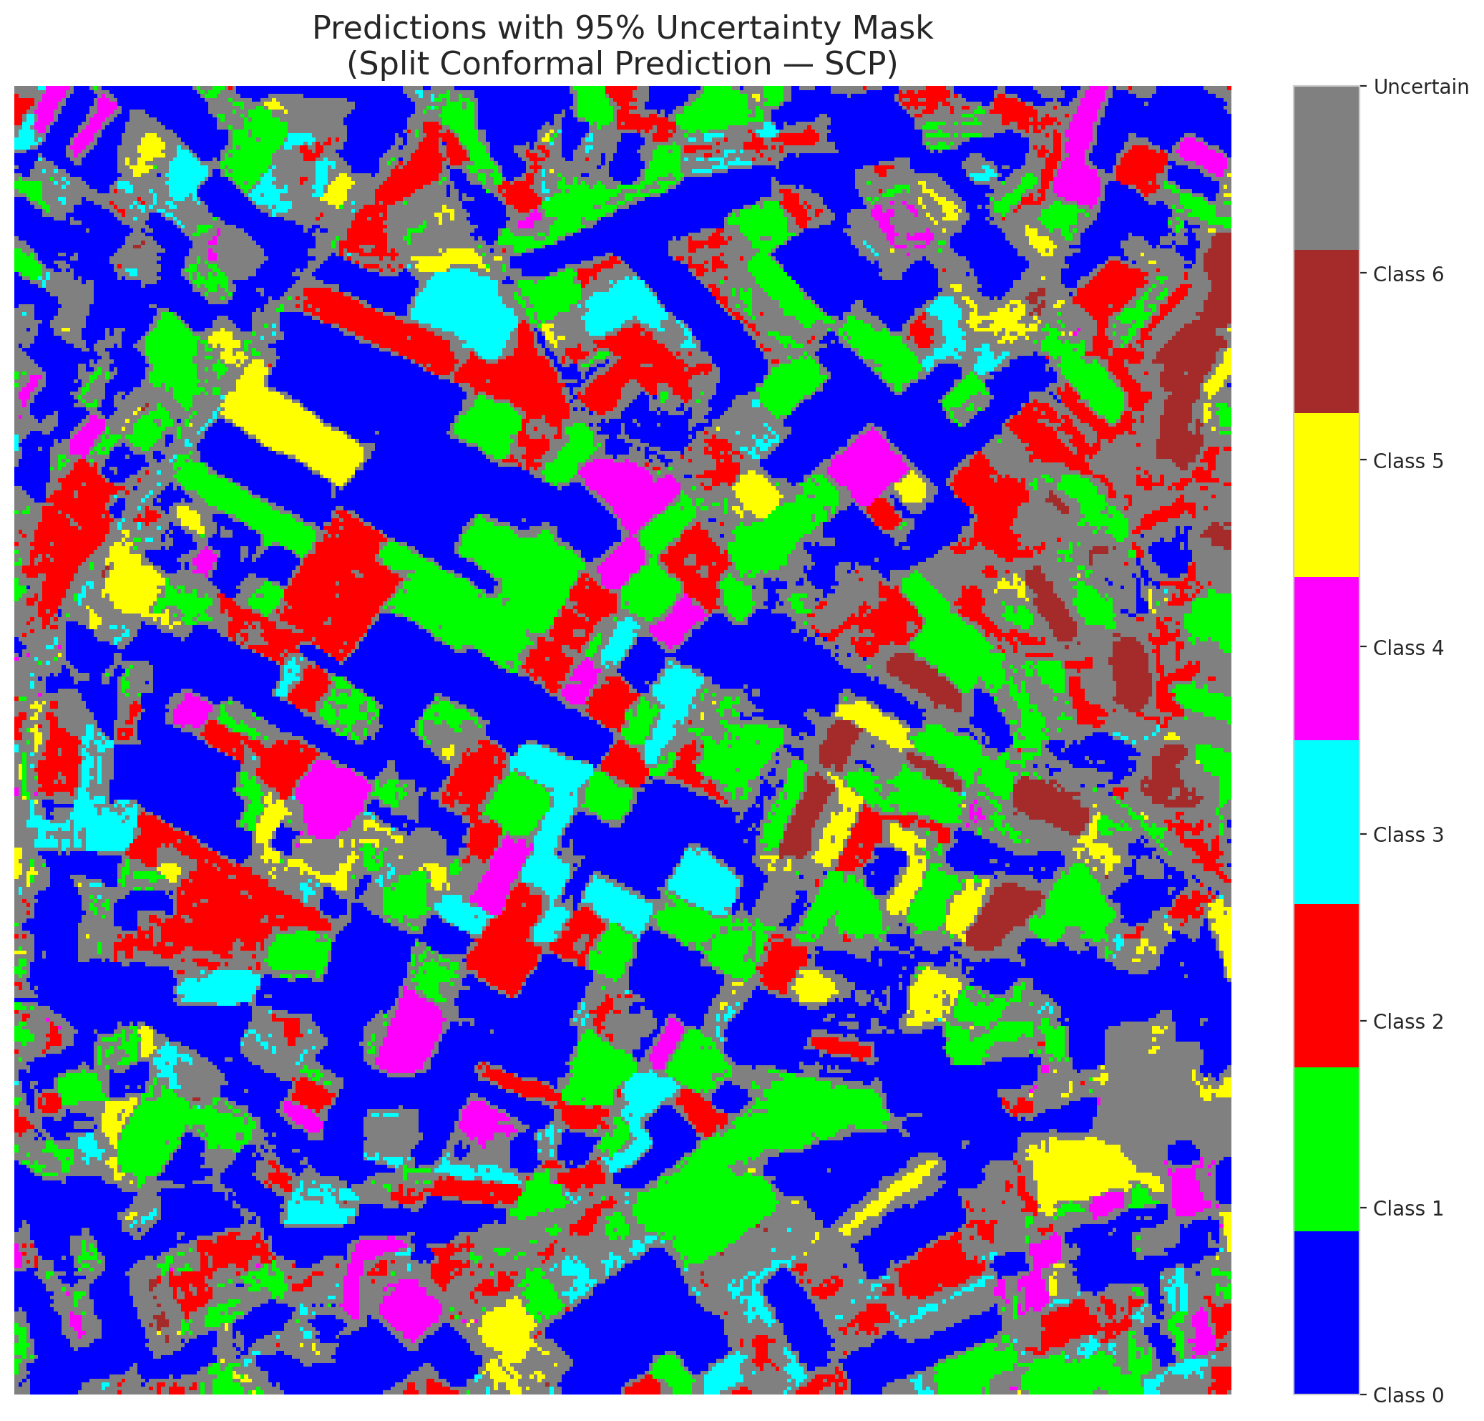

 |  |  |  |  |  |  |  |  | Pixel Counts

ClassCond_GeoRSCLIP_TextHead
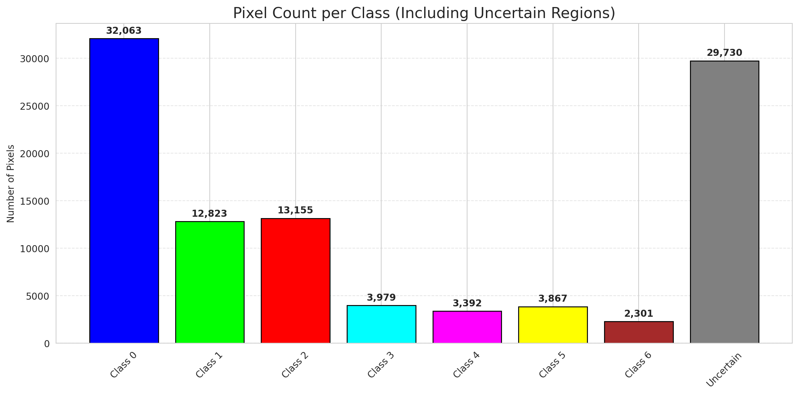
ClassConditionalConformal - GeoRSCLIP_TextHead |  |  |  |  |  |  |  |  | Per-Class Coverage
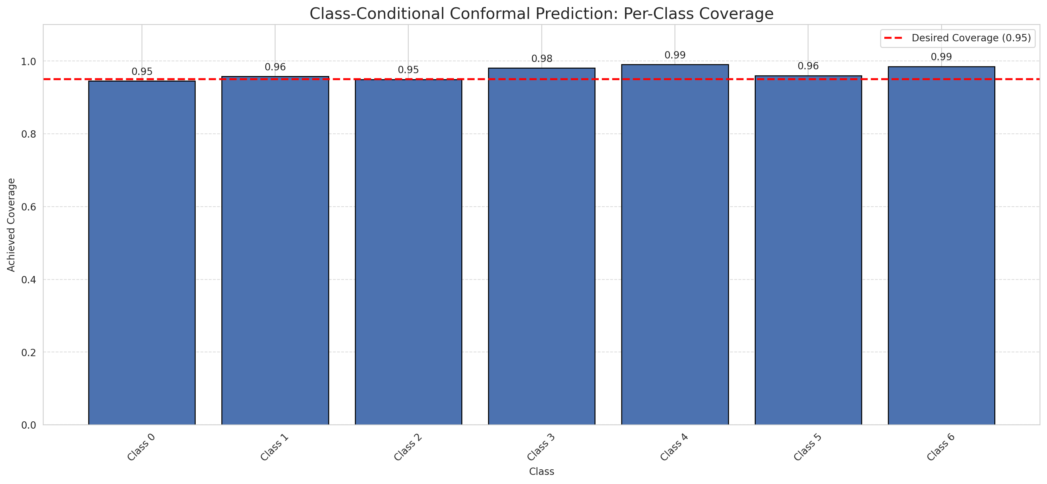
Summary
model_name | method | target_coverage | empirical_coverage | avg_set_size | median_set_size | singleton_rate | empty_set_rate | runtime_sec | alpha | lam | n_clusters | mean_per_class_coverage
GeoRSCLIP_TextHead | ClassConditionalConformal | 0.95 | 0.95545243619 | 0.95545243619 | 1 | 0.95545243619 | 0.044547563805 | 1.635503484 | 0.05 |  |  | 0.96714426548

Per-Class Coverage Values
class_id | class_coverage | support_count
0 | 0.94529540481 | 914
1 | 0.95814977974 | 454
2 | 0.94972067039 | 358
3 | 0.98076923077 | 156
4 | 0.99038461538 | 104
5 | 0.9603960396 | 101
6 | 0.98529411765 | 68

Pixel Counts
class_id | label | pixel_count
0 | Class 0 | 32063
1 | Class 1 | 12823
2 | Class 2 | 13155
3 | Class 3 | 3979
4 | Class 4 | 3392 |  |  |  |  |  |  | Certain vs Uncertain Map
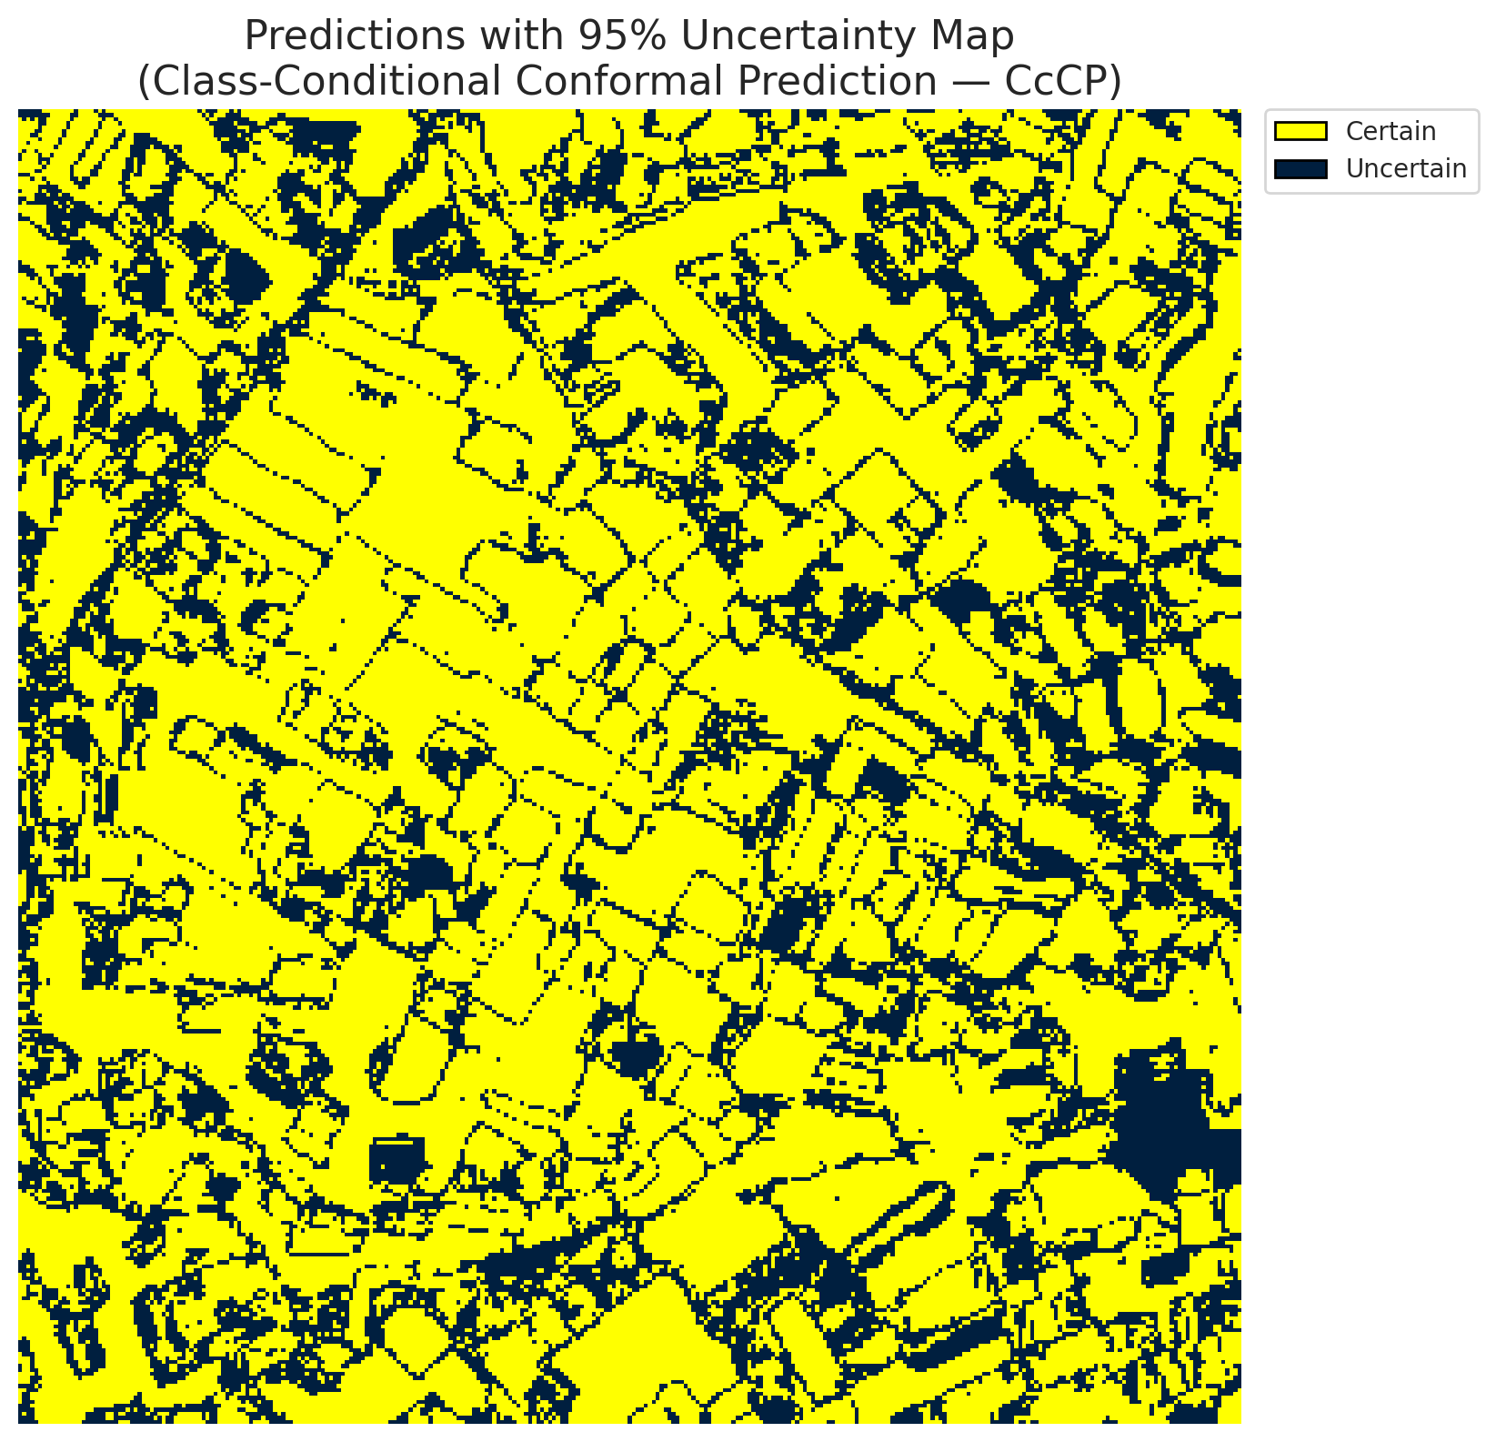
5 | Class 5 | 3867
6 | Class 6 | 2301
7 | Uncertain | 29730

Classwise q_hat
class_id | q_hat_classconditional
0 | 0.036822348633
1 | 0.036535362082
2 | 0.041603759848
3 | 0.037833905301
4 | 0.054565135627
5 | 0.042496083241
6 | 0.079548488869

 |  |  |  |  |  |  |  |  | Class Map with Uncertain Mask
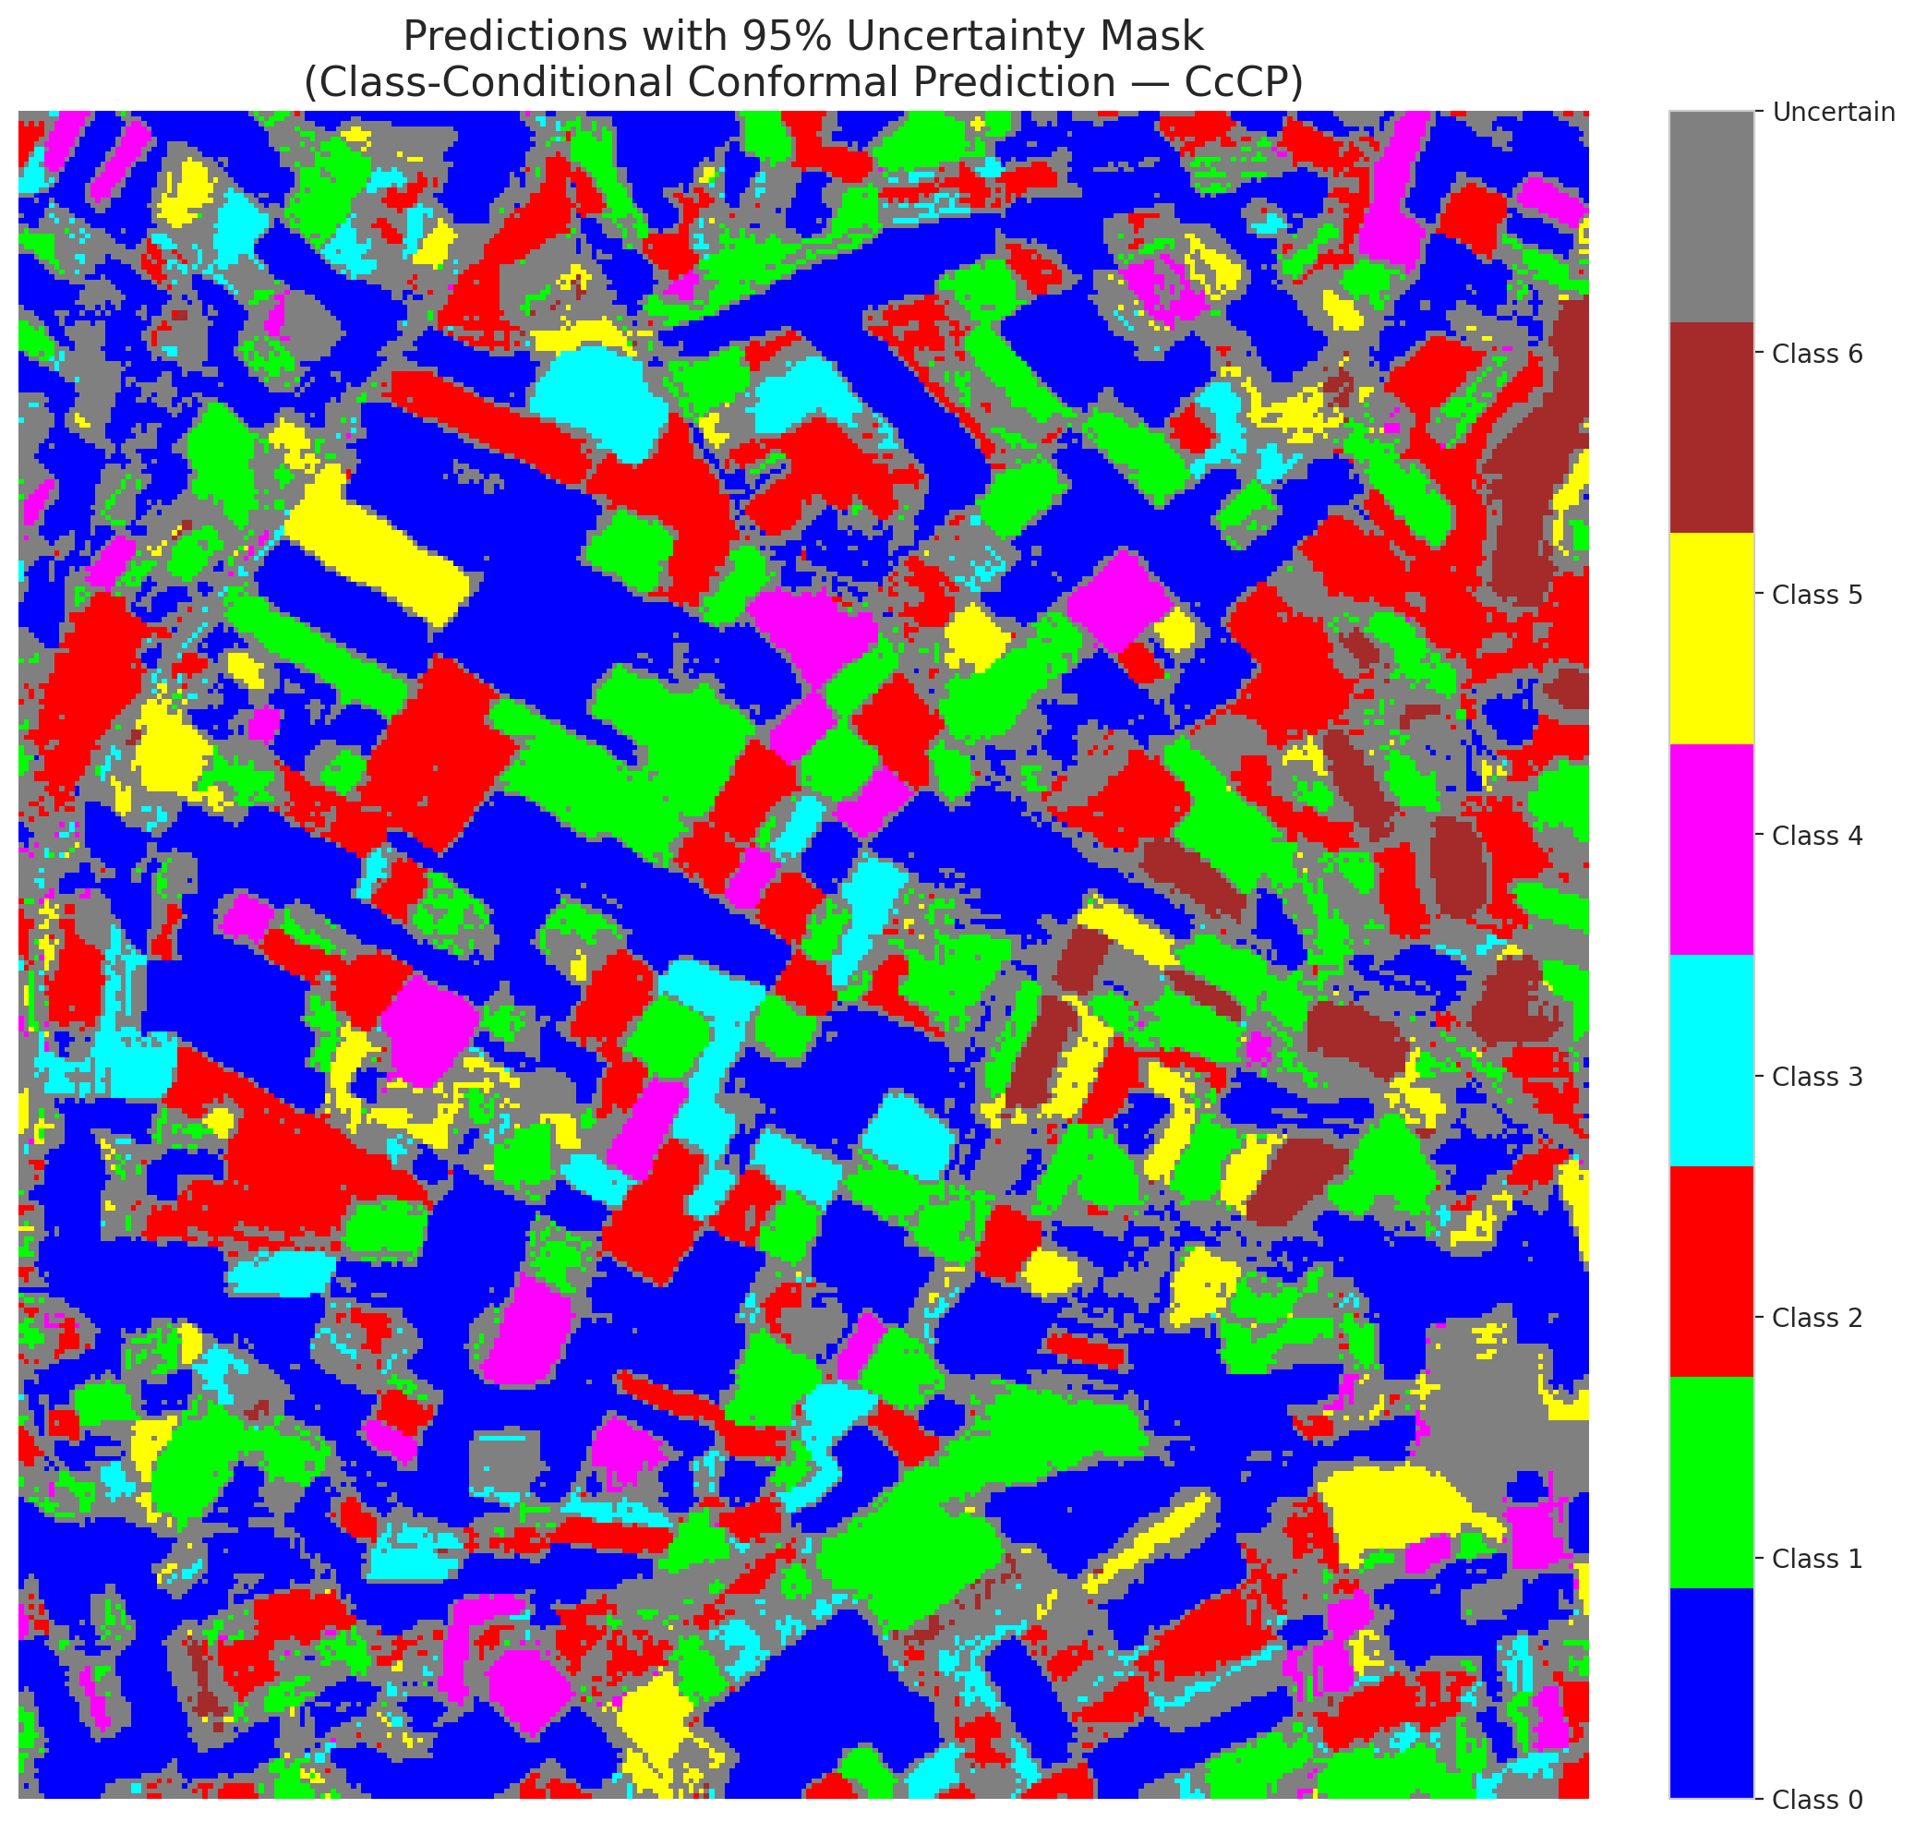

 |  |  |  |  |  |  |  |  | Pixel Counts

RC3P_GeoRSCLIP_TextHead
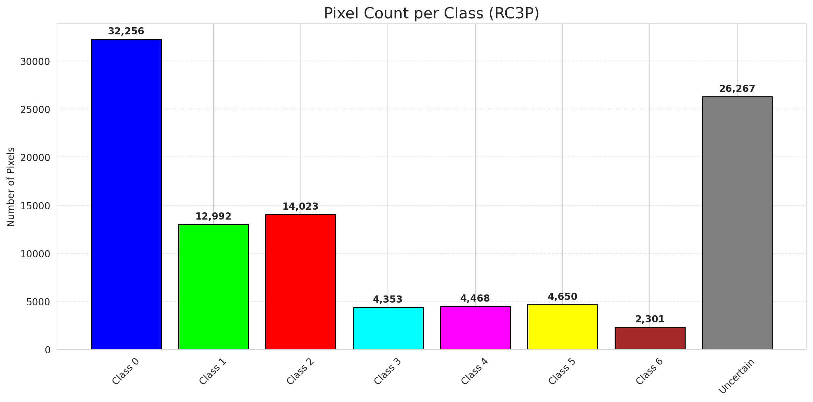
RC3P - GeoRSCLIP_TextHead |  |  |  |  |  |  |  |  | Per-Class Coverage
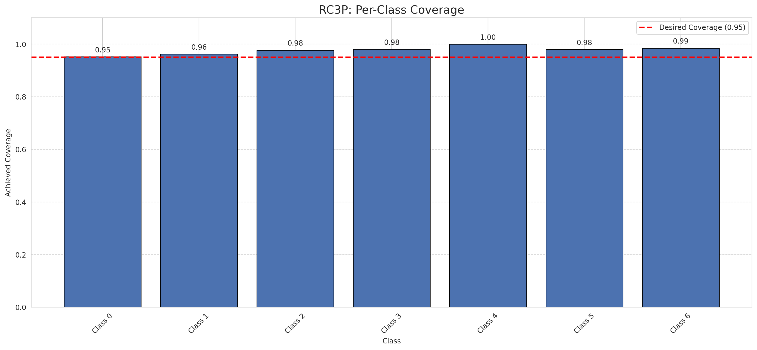
Summary
model_name | method | target_coverage | empirical_coverage | avg_set_size | median_set_size | singleton_rate | empty_set_rate | runtime_sec | alpha | lam | n_clusters | mean_per_class_coverage
GeoRSCLIP_TextHead | RC3P | 0.95 | 0.96519721578 | 0.96519721578 | 1 | 0.96519721578 | 0.034802784223 | 1.899566528 | 0.05 |  |  | 0.97690428883

Per-Class Coverage Values
class_id | class_coverage | support_count
0 | 0.95185995624 | 914
1 | 0.96255506608 | 454
2 | 0.97765363128 | 358
3 | 0.98076923077 | 156
4 | 1 | 104
5 | 0.9801980198 | 101
6 | 0.98529411765 | 68

Pixel Counts
class_id | label | pixel_count
0 | Class 0 | 32256
1 | Class 1 | 12992
2 | Class 2 | 14023
3 | Class 3 | 4353
4 | Class 4 | 4468 |  |  |  |  |  |  | Certain vs Uncertain Map
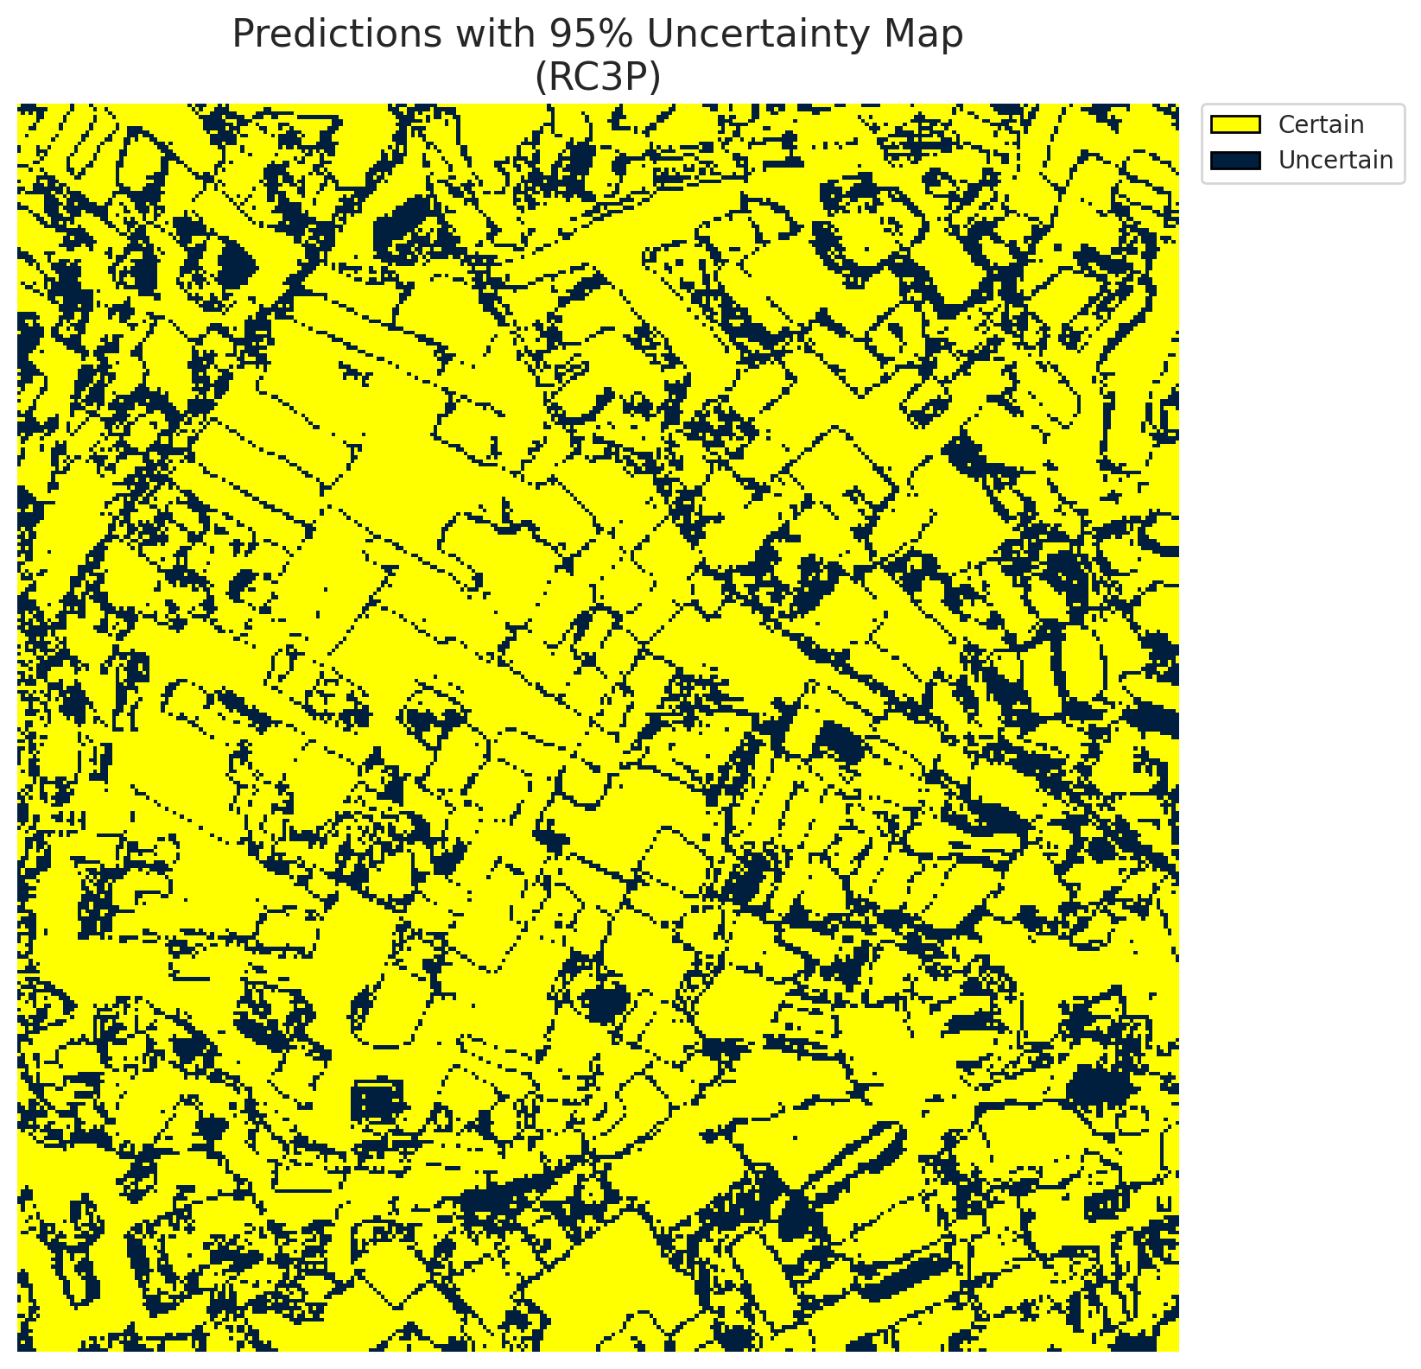
5 | Class 5 | 4650
6 | Class 6 | 2301
7 | Uncertain | 26267

RC3P Thresholds & Limits
class_id | q_hat_rc3p | suit_index_limit
0 | 0.036834572612 | 1
1 | 0.036752910465 | 1
2 | 0.046775435067 | 1
3 | 0.040623995679 | 1
4 | 0.4609798572 | 1
5 | 0.06558514946 | 1
6 | 0.079548488869 | 1

 |  |  |  |  |  |  |  |  | Class Map with Uncertain Mask
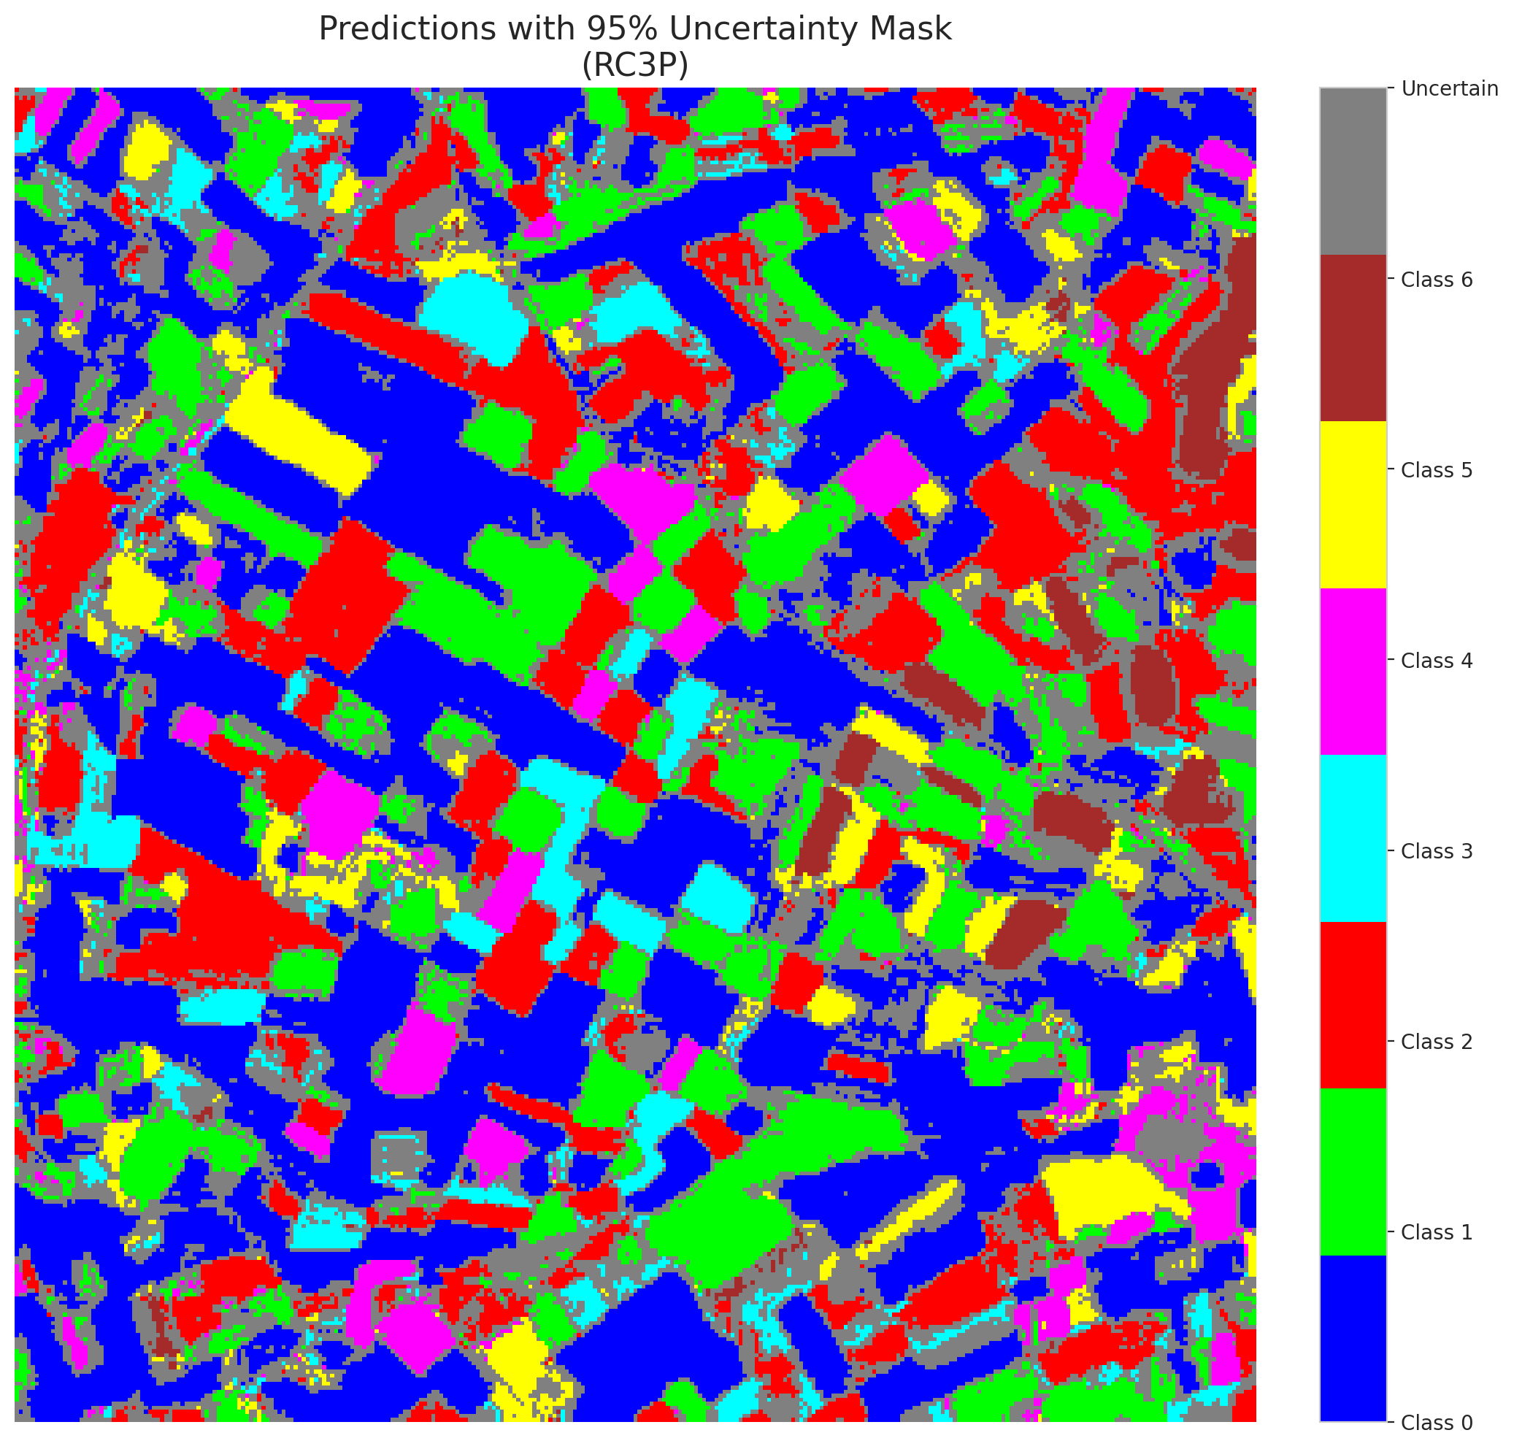

 |  |  |  |  |  |  |  |  | Pixel Counts

Clustered_GeoRSCLIP_TextHead
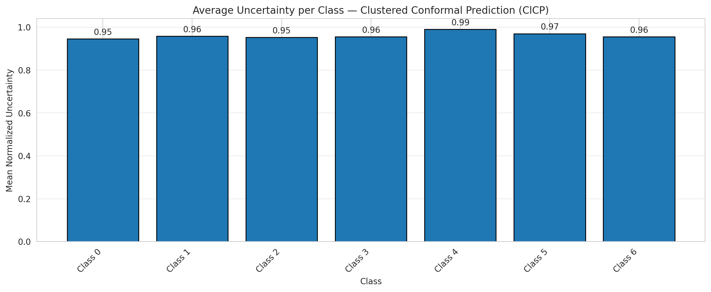
ClusteredConformal - GeoRSCLIP_TextHead |  |  |  |  |  |  |  |  | Per-Class Coverage

Summary
model_name | method | target_coverage | empirical_coverage | avg_set_size | median_set_size | singleton_rate | empty_set_rate | runtime_sec | alpha | lam | n_clusters | mean_per_class_coverage
GeoRSCLIP_TextHead | ClusteredConformal | 0.95 | 0.9535962877 | 0.9535962877 | 1 | 0.9535962877 | 0.046403712297 | 6.024640883 | 0.05 |  | 4 | 0.96066835984

Per-Class Coverage Values
class_id | class_coverage | support_count
0 | 0.94420131291 | 914
1 | 0.96255506608 | 454
2 | 0.94972067039 | 358
3 | 0.96153846154 | 156
4 | 0.99038461538 | 104
5 | 0.9603960396 | 101
6 | 0.95588235294 | 68

Class-to-Cluster Assignment
class_id | cluster_id
0 | 2
1 | 2
2 | 0
3 | 2
4 | 3 |  |  |  |  |  |  |  | Uncertainty Distribution
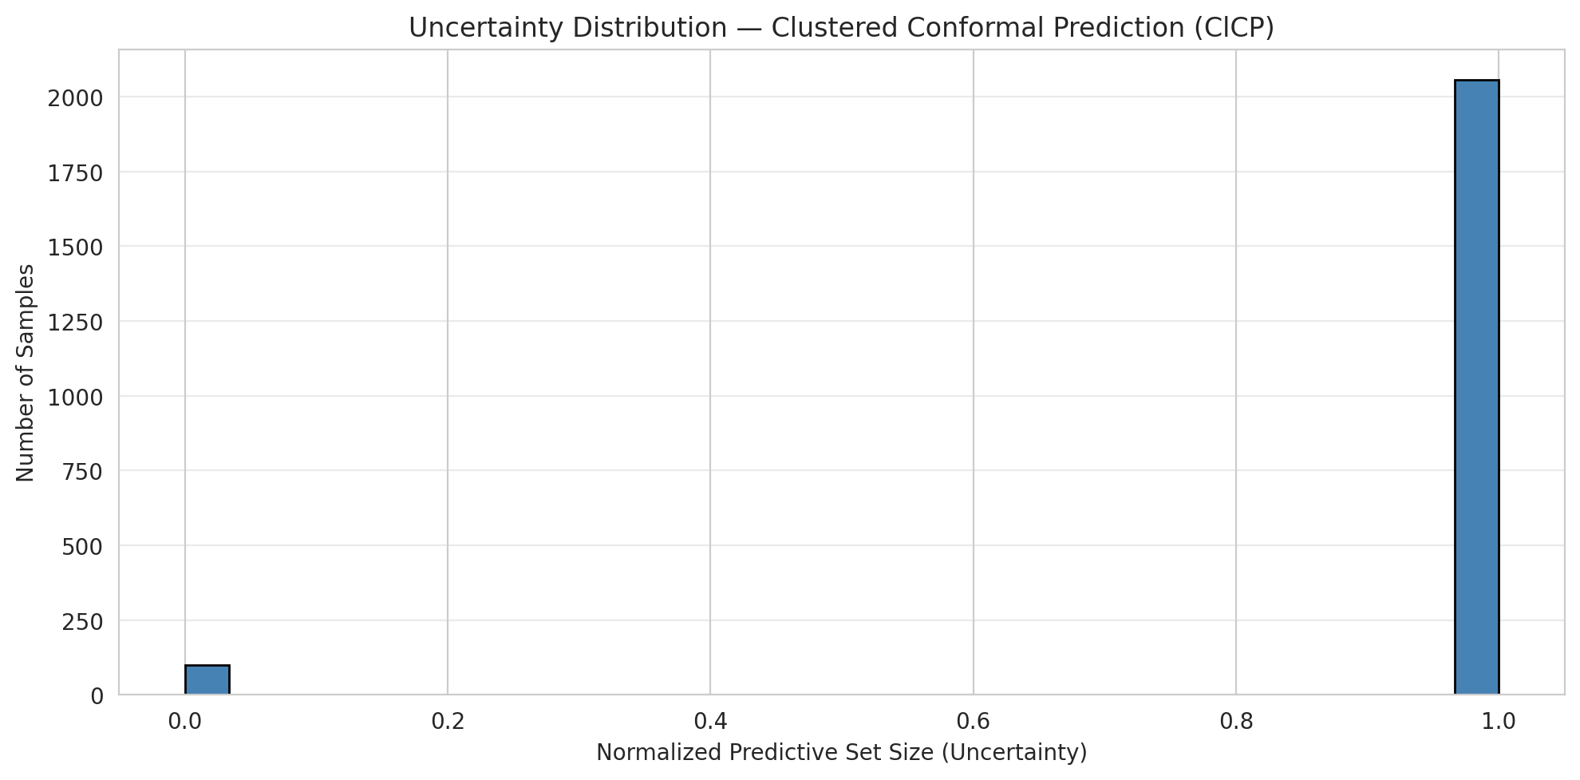
5 | 1
6 | 3

Cluster q_hat
cluster_id | q_hat_cluster
0 | 0.041603759848
1 | 0.042496083241
2 | 0.03681600363
3 | 0.038492477892

Cluster Mean Uncertainty
cluster | uncertainty
0 | 0.95238095238
1 | 0.97
2 | 0.9501965924
3 | 0.97674418605

Class Mean Uncertainty
class_id | uncertainty
0 | 0.9452354874
1 | 0.95833333333 |  |  |  |  |  |  |  | Avg Uncertainty per Cluster
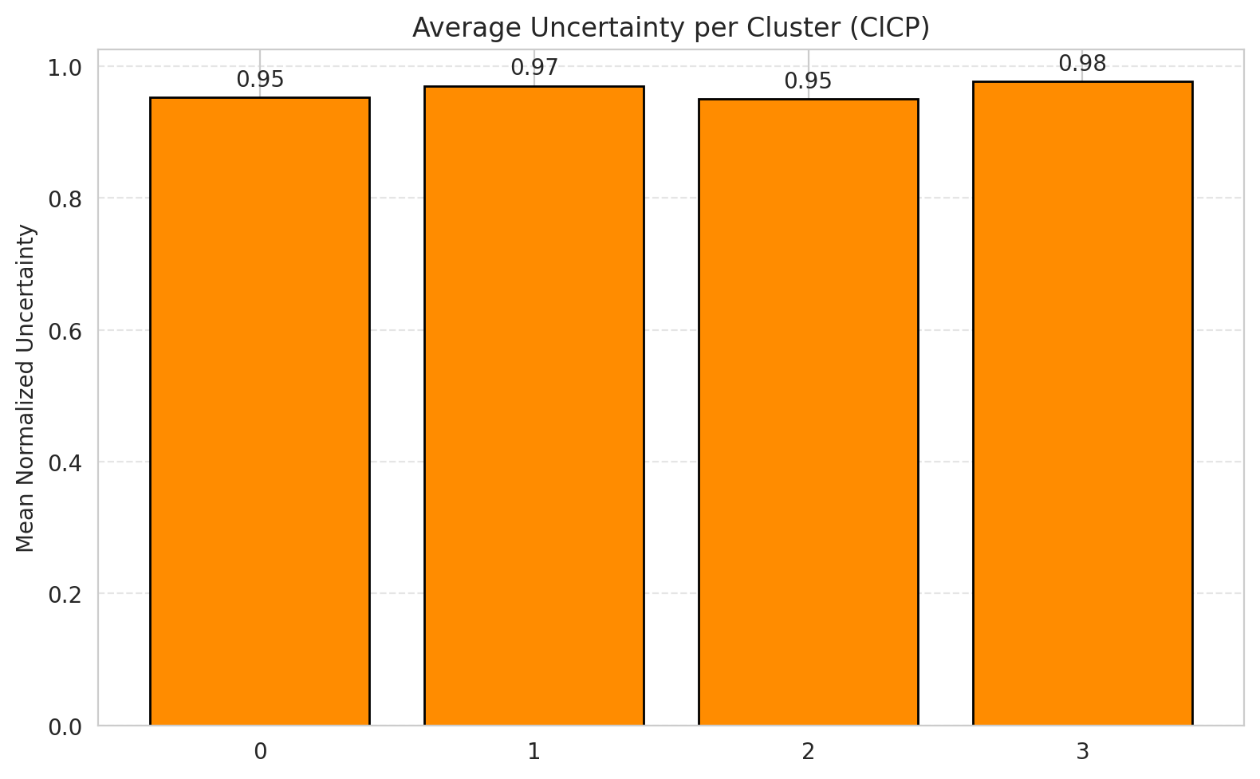
2 | 0.95238095238
3 | 0.95541401274
4 | 0.99038461538
5 | 0.97
6 | 0.95588235294

 |  |  |  |  |  |  |  |  | Avg Uncertainty per Class

RAPS_GeoRSCLIP_TextHead
RAPS - GeoRSCLIP_TextHead |  |  |  |  |  |  |  |  | Per-Class Coverage
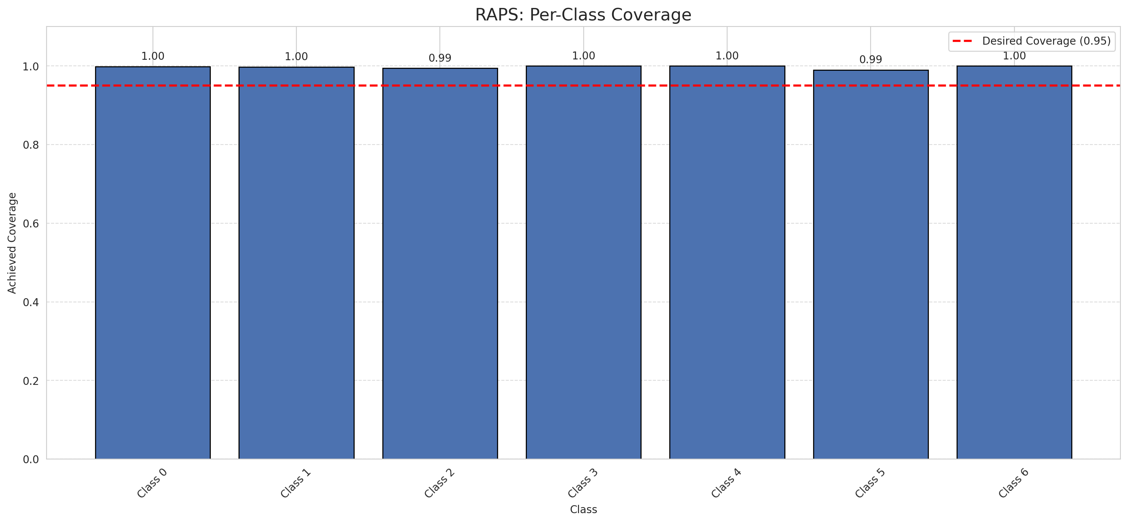
Summary
model_name | method | target_coverage | empirical_coverage | avg_set_size | median_set_size | singleton_rate | empty_set_rate | runtime_sec | alpha | lam | n_clusters | mean_per_class_coverage
GeoRSCLIP_TextHead | RAPS | 0.95 | 0.99767981439 | 1 | 1 | 1 | 0 | 0.419819178 | 0.05 | 0.01 |  | 0.99731652609

Per-Class Coverage Values
class_id | class_coverage | support_count
0 | 0.9989059081 | 914
1 | 0.99779735683 | 454
2 | 0.99441340782 | 358
3 | 1 | 156
4 | 1 | 104
5 | 0.9900990099 | 101
6 | 1 | 68

RAPS Parameters
q_hat_raps | lambda | k_reg
0 | 0.01 | 1

Compare_Clustered
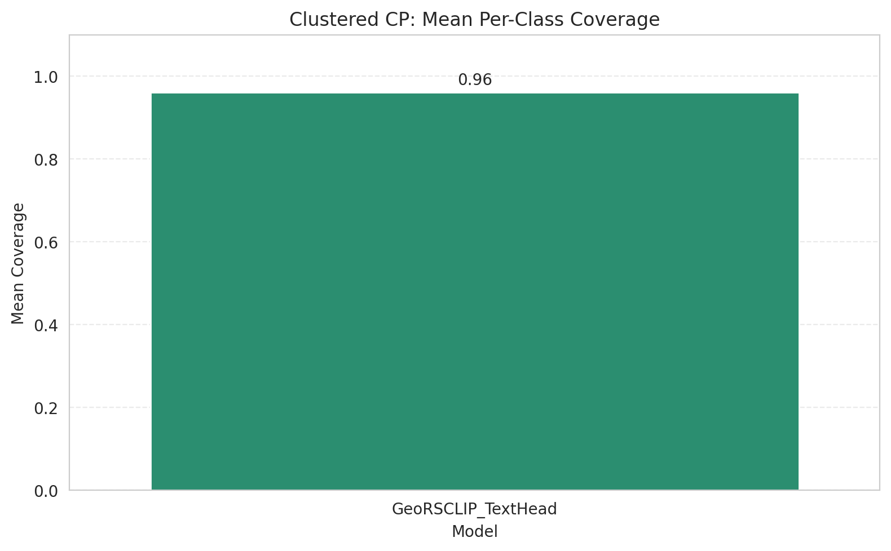
Clustered CP: 3-Model Comparison

model_name | method | target_coverage | empirical_coverage | avg_set_size | median_set_size | singleton_rate | empty_set_rate | model_name | mean_per_class_coverage | lam | n_clusters | mean_per_class_coverage
GeoRSCLIP_TextHead | ClusteredConformal | 0.95 | 0.9535962877 | 0.9535962877 | 1 | 0.9535962877 | 0.046403712297 | GeoRSCLIP_TextHead | 0.96066835984 |  | 4 | 0.96066835984

Grouped Metrics Comparison

Mean Per-Class Coverage Comparison

Compare_RAPS
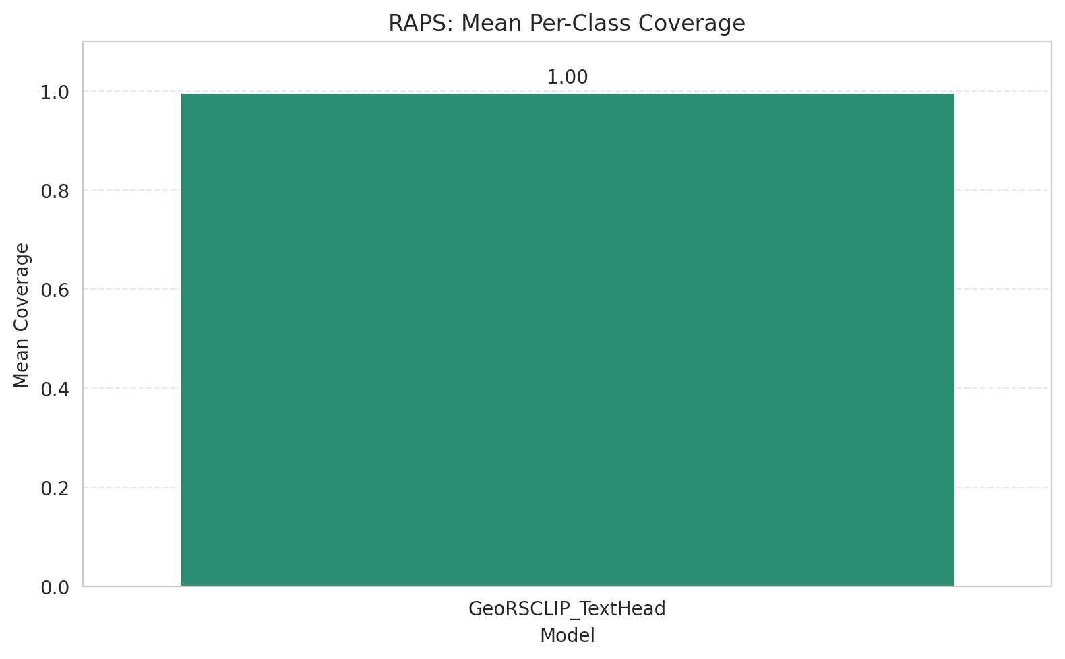
RAPS: 3-Model Comparison

model_name | method | target_coverage | empirical_coverage | avg_set_size | median_set_size | singleton_rate | empty_set_rate | model_name | mean_per_class_coverage | lam | n_clusters | mean_per_class_coverage
GeoRSCLIP_TextHead | RAPS | 0.95 | 0.99767981439 | 1 | 1 | 1 | 0 | GeoRSCLIP_TextHead | 0.99731652609 | 0.01 |  | 0.99731652609

Grouped Metrics Comparison

Mean Per-Class Coverage Comparison

