SACP_AlexNet
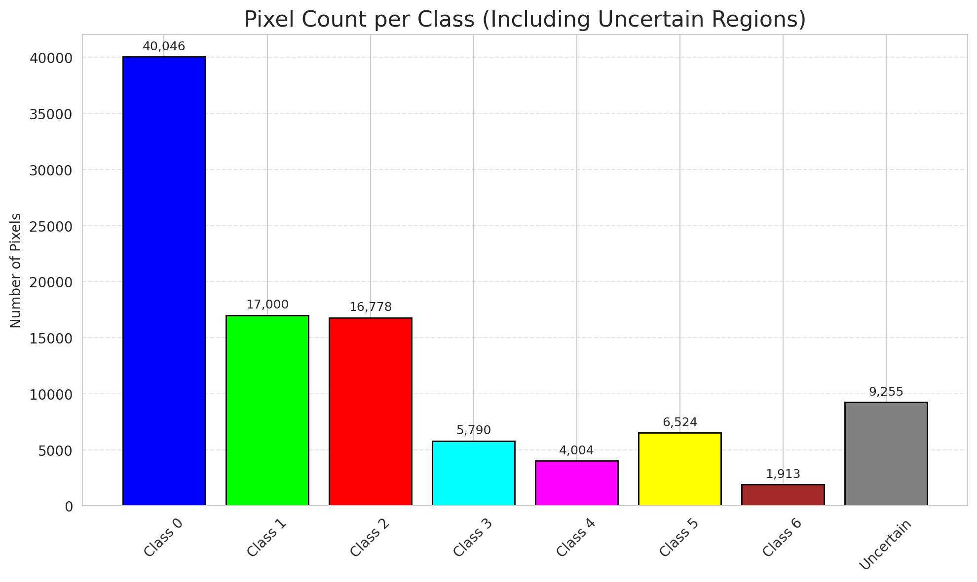
SACP - AlexNet |  |  |  |  |  |  |  |  | Per-Class Coverage
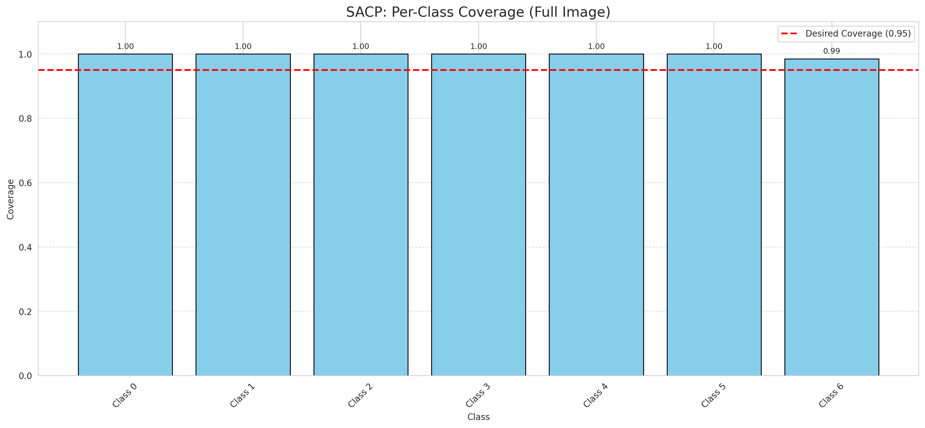
Summary
model_name | method | window_size | target_coverage | empirical_coverage | avg_set_size | median_set_size | singleton_rate | empty_set_rate | runtime_sec | alpha | lambda | k | q_hat | mean_per_class_coverage
AlexNet | SACP | 3 | 0.95 | 0.99953596288 | 1.0004640371 | 1 | 0.99953596288 | 0 | 51.788618497 | 0.05 | 0.5 | 1 | 0.85197816812 | 0.99789915966

Per-Class Coverage Values
class_id | class_coverage | support_count
0 | 1 | 914
1 | 1 | 454
2 | 1 | 358
3 | 1 | 156
4 | 1 | 104
5 | 1 | 101
6 | 0.98529411765 | 68

Pixel Counts
class_id | label | pixel_count
0 | Class 0 | 40046
1 | Class 1 | 17000
2 | Class 2 | 16778
3 | Class 3 | 5790
4 | Class 4 | 4004 |  |  |  |  |  |  | Certain vs Uncertain Map
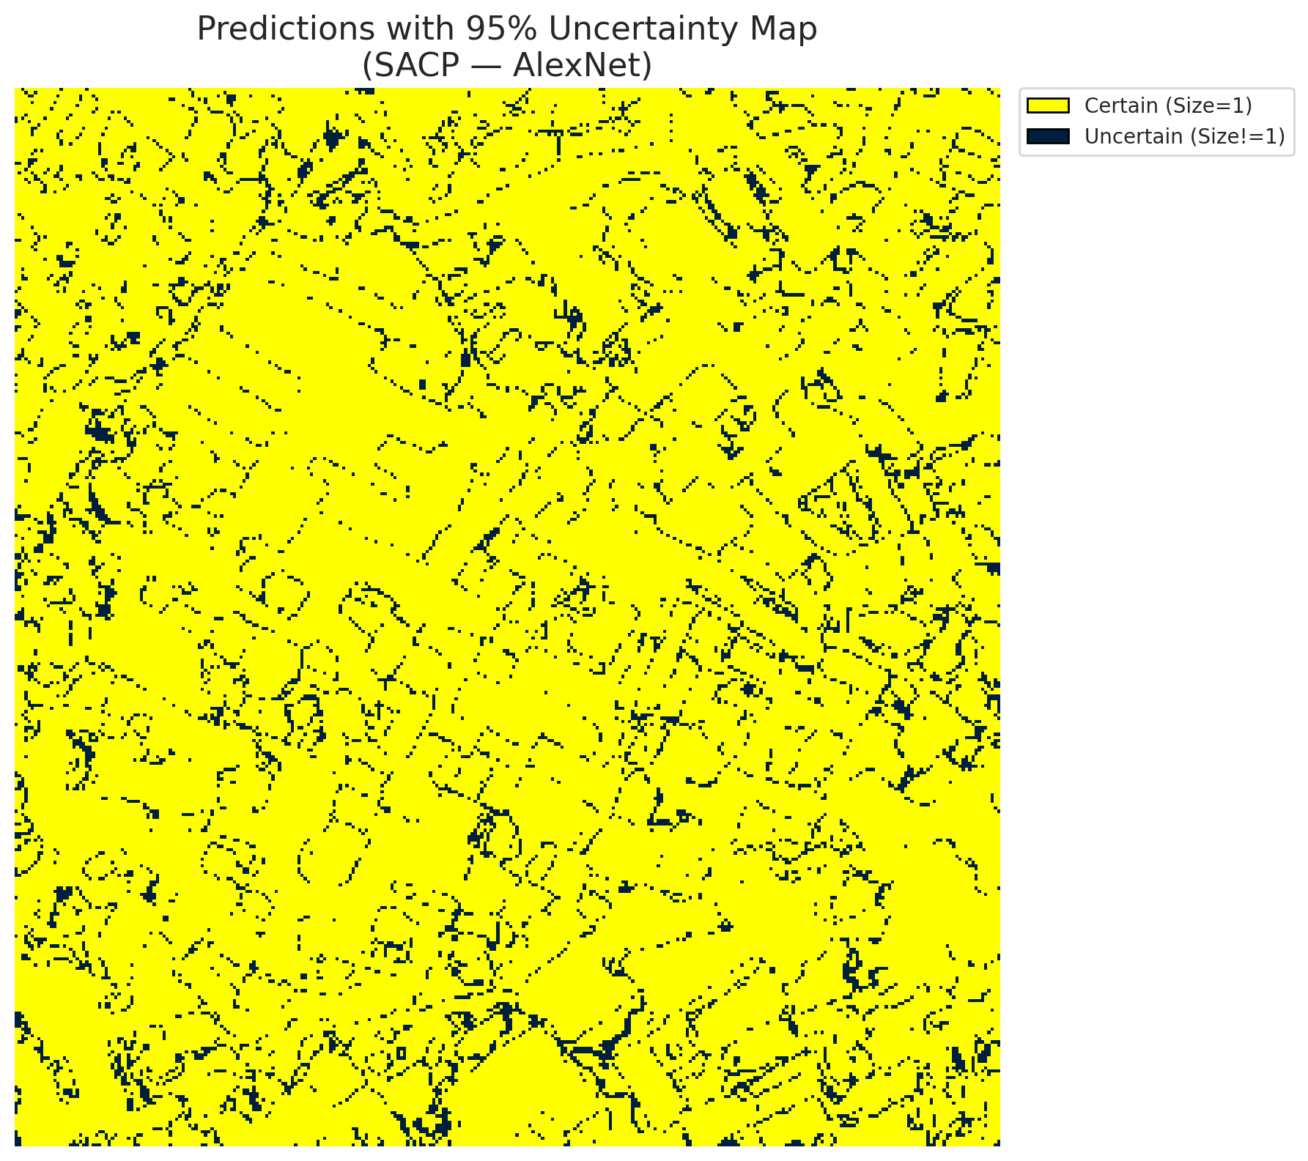
5 | Class 5 | 6524
6 | Class 6 | 1913
7 | Uncertain | 9255

SACP Parameters
q_hat | alpha | lambda | k | avg_set_size_eval
0.85197816812 | 0.05 | 0.5 | 1 | 1.0004640371

 |  |  |  |  |  |  |  |  | Class Map with Uncertain Mask
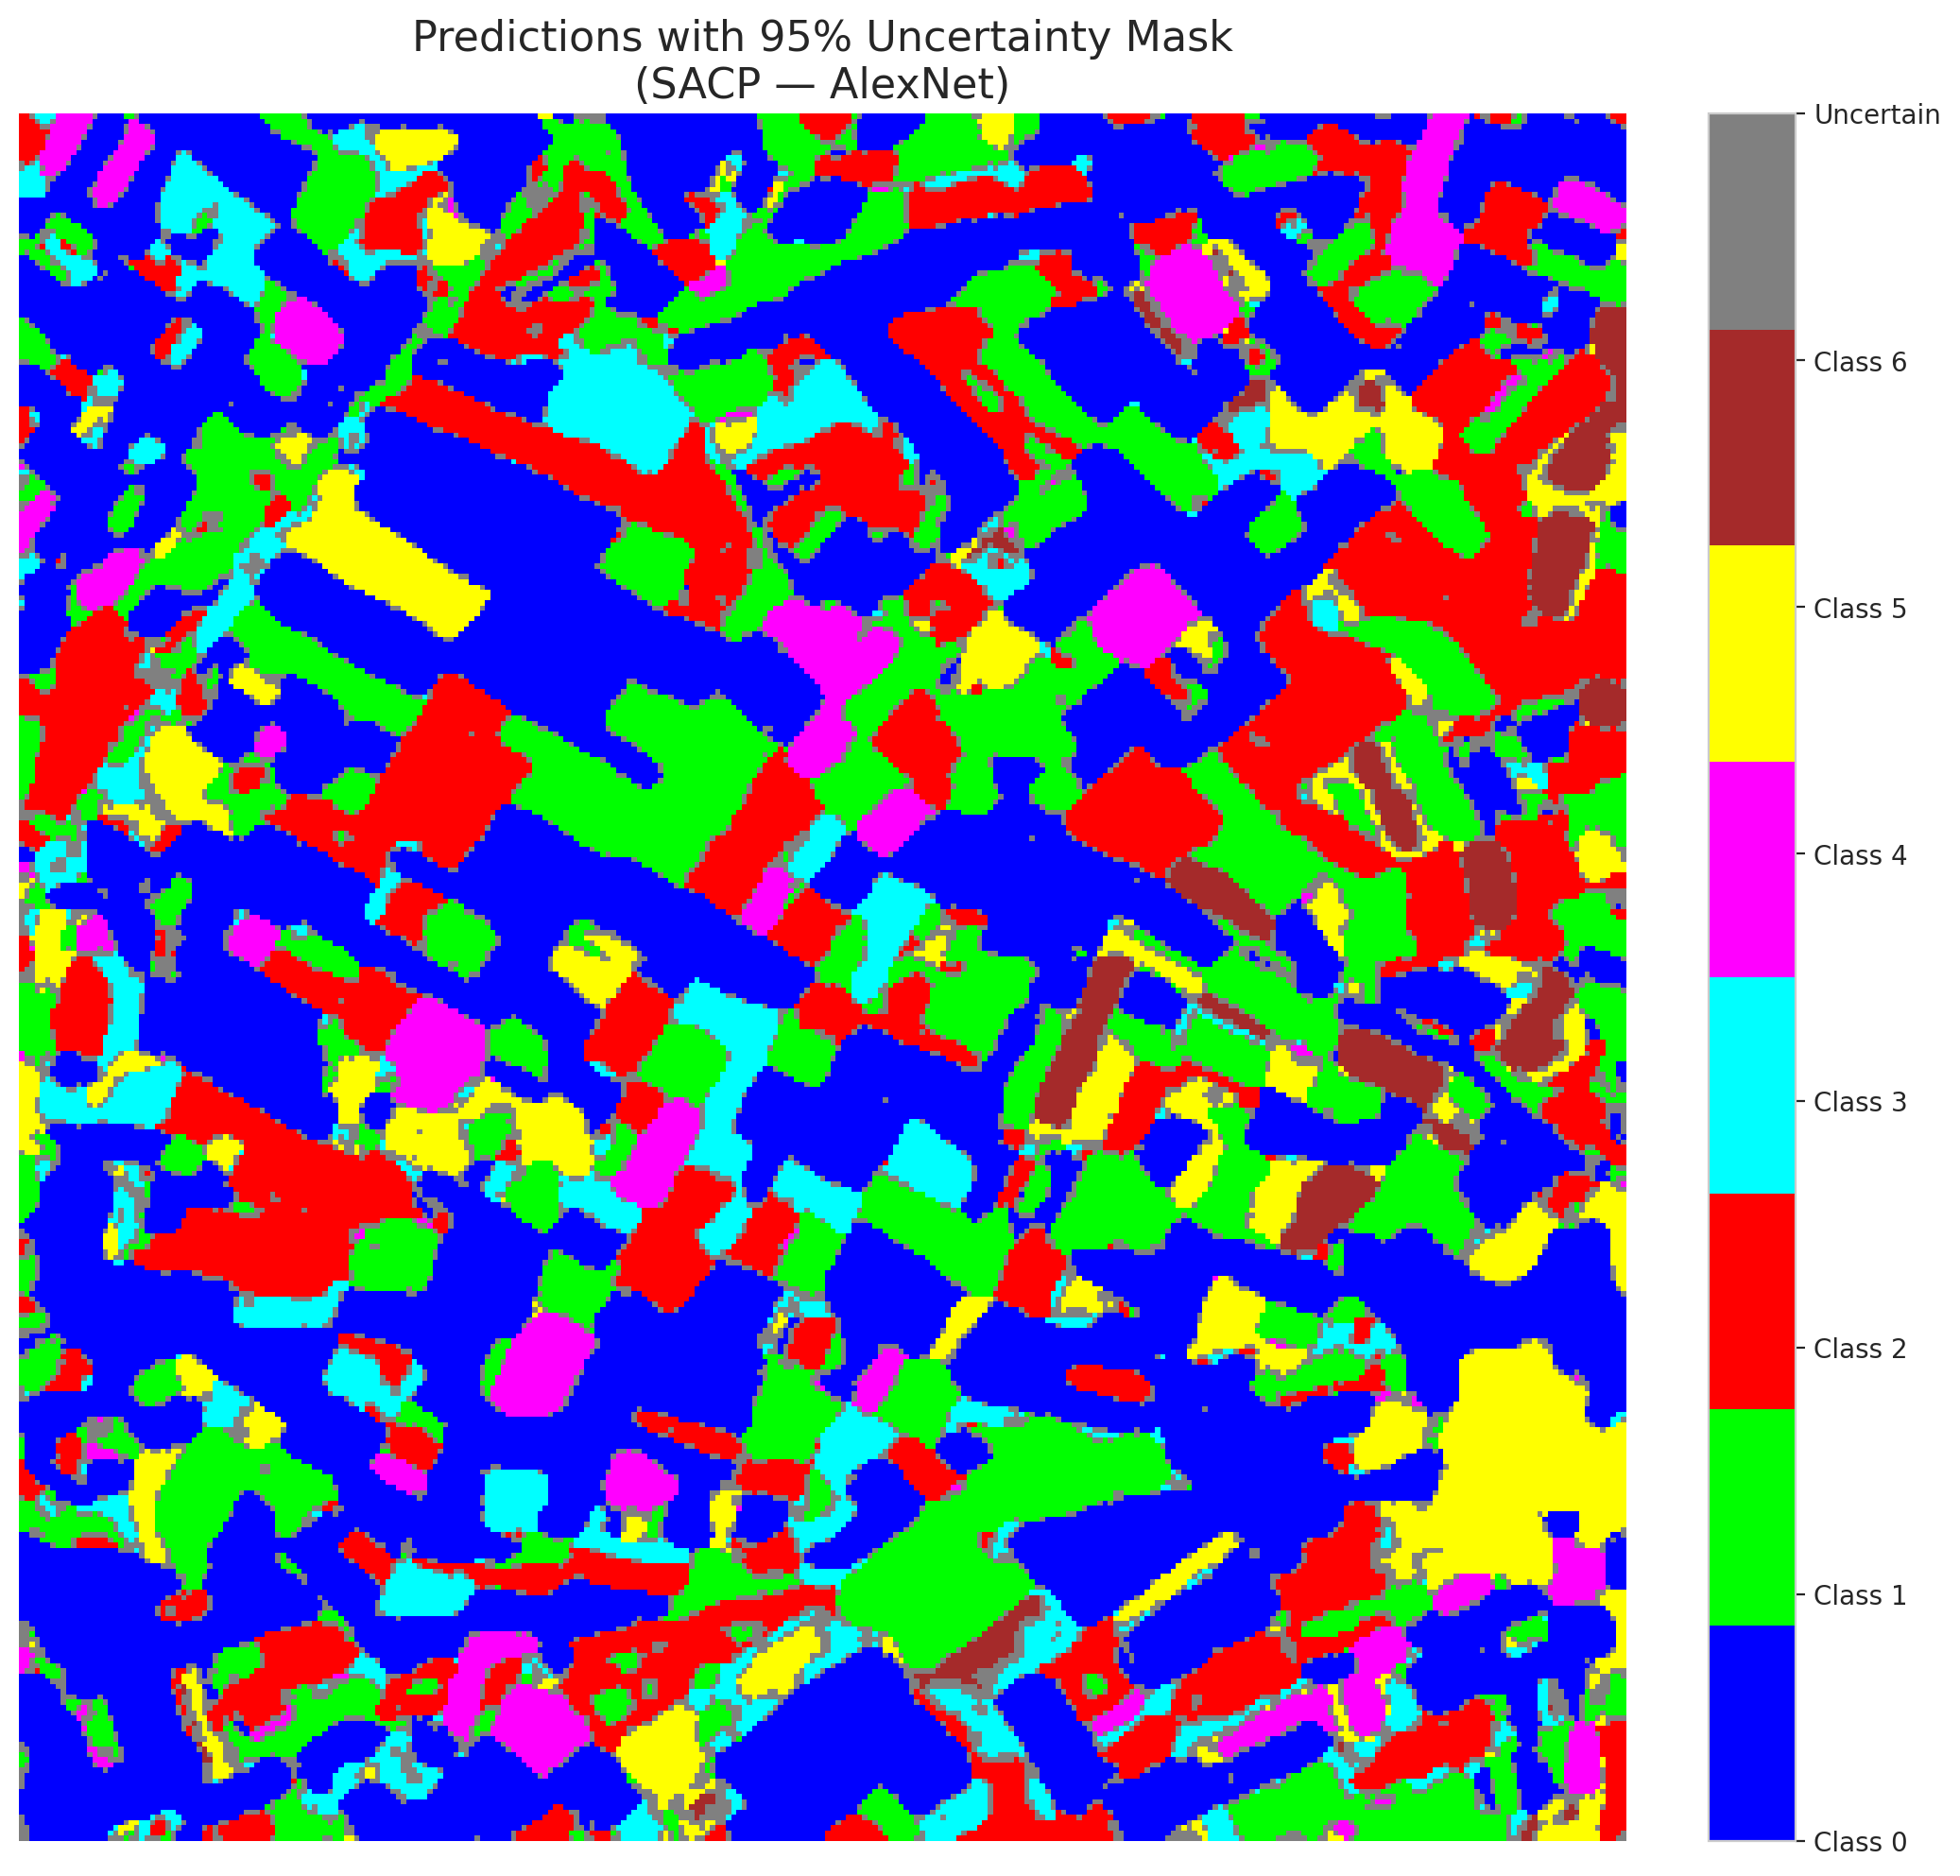

 |  |  |  |  |  |  |  |  | Pixel Counts

SACP_GFNet

SACP - GFNet |  |  |  |  |  |  |  |  | Per-Class Coverage
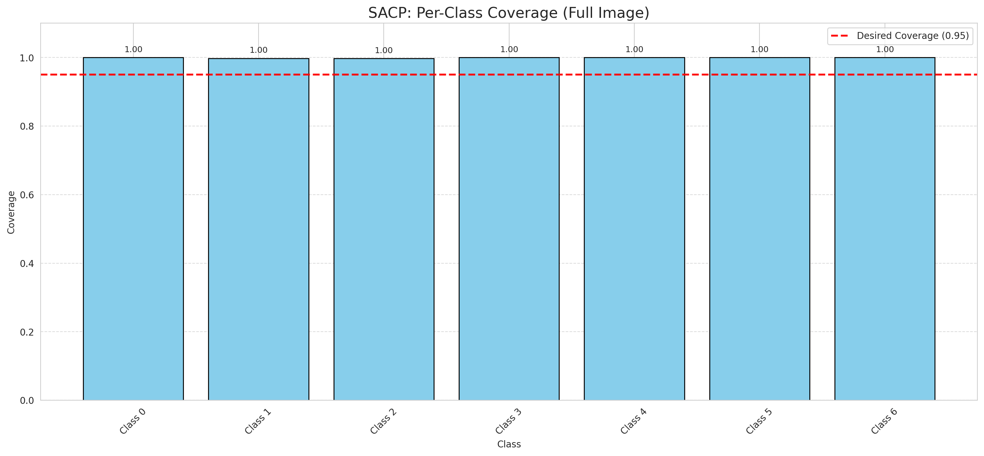
Summary
model_name | method | window_size | target_coverage | empirical_coverage | avg_set_size | median_set_size | singleton_rate | empty_set_rate | runtime_sec | alpha | lambda | k | q_hat | mean_per_class_coverage
GFNet | SACP | 3 | 0.95 | 0.99907192575 | 1.0027842227 | 1 | 0.99721577726 | 0 | 48.830230087 | 0.05 | 0.5 | 1 | 0.8503509128 | 0.99928629439

Per-Class Coverage Values
class_id | class_coverage | support_count
0 | 1 | 914
1 | 0.99779735683 | 454
2 | 0.99720670391 | 358
3 | 1 | 156
4 | 1 | 104
5 | 1 | 101
6 | 1 | 68

Pixel Counts
class_id | label | pixel_count
0 | Class 0 | 39733
1 | Class 1 | 17532
2 | Class 2 | 16495
3 | Class 3 | 4479
4 | Class 4 | 4036 |  |  |  |  |  |  | Certain vs Uncertain Map
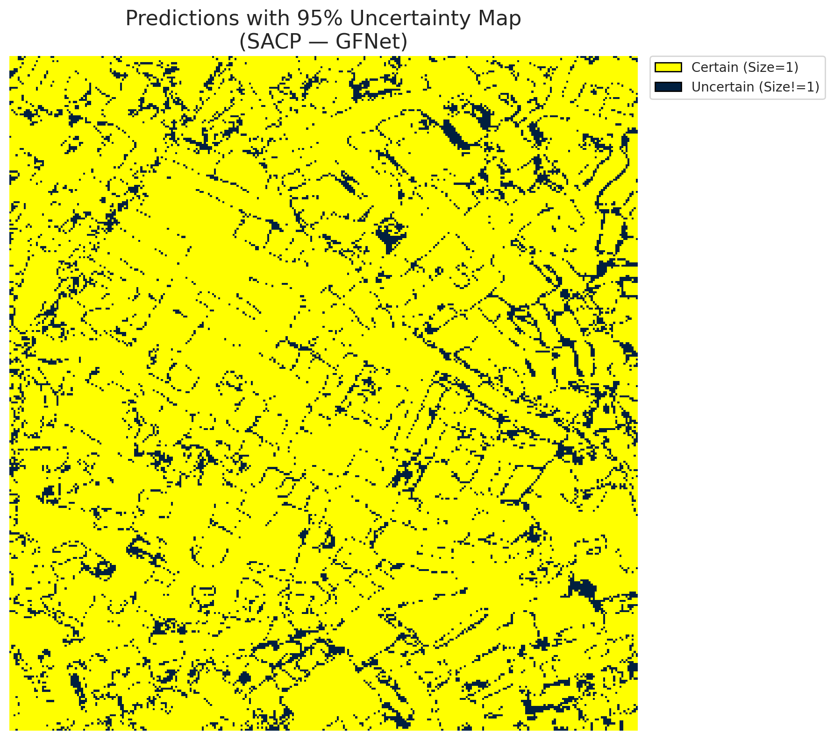
5 | Class 5 | 5512
6 | Class 6 | 1760
7 | Uncertain | 11763

SACP Parameters
q_hat | alpha | lambda | k | avg_set_size_eval
0.8503509128 | 0.05 | 0.5 | 1 | 1.0027842227

 |  |  |  |  |  |  |  |  | Class Map with Uncertain Mask
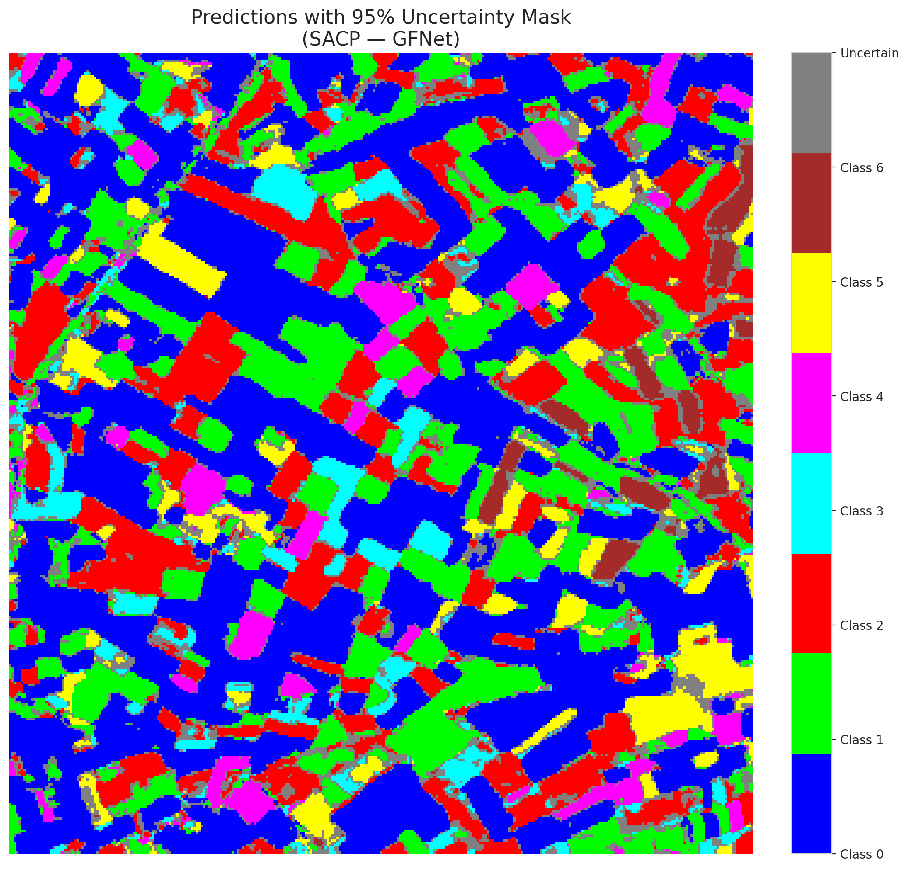

 |  |  |  |  |  |  |  |  | Pixel Counts

SACP_ViT
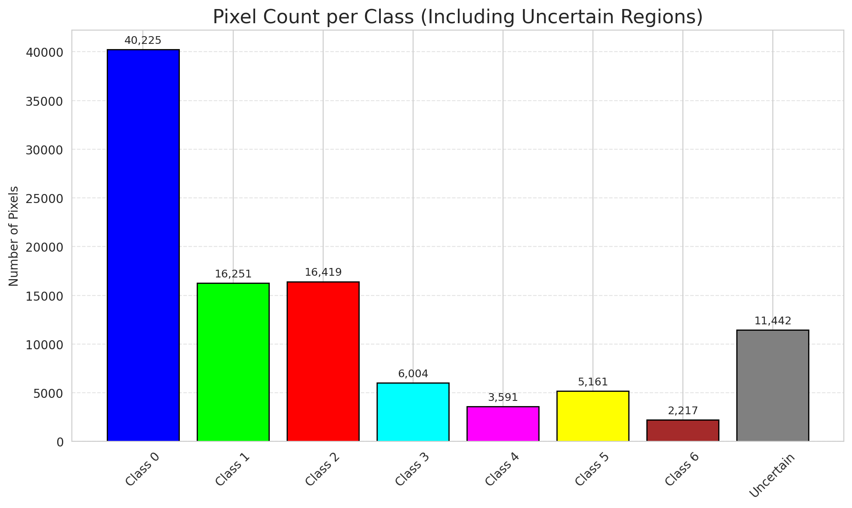
SACP - ViT |  |  |  |  |  |  |  |  | Per-Class Coverage
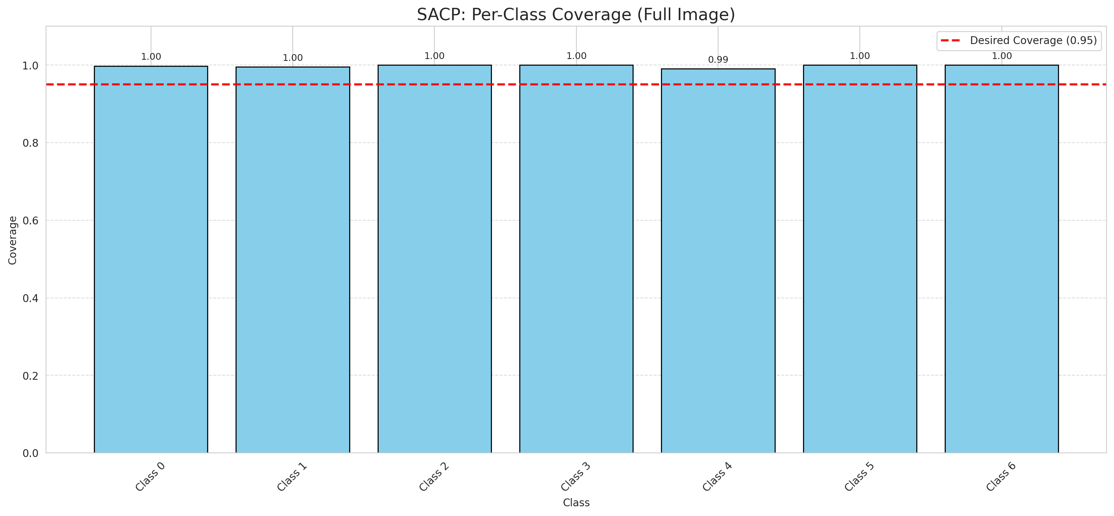
Summary
model_name | method | window_size | target_coverage | empirical_coverage | avg_set_size | median_set_size | singleton_rate | empty_set_rate | runtime_sec | alpha | lambda | k | q_hat | mean_per_class_coverage
ViT | SACP | 3 | 0.95 | 0.99767981439 | 1.007424594 | 1 | 0.99303944316 | 0 | 60.327829609 | 0.05 | 0.5 | 1 | 0.8286719135 | 0.99768444932

Per-Class Coverage Values
class_id | class_coverage | support_count
0 | 0.99781181619 | 914
1 | 0.99559471366 | 454
2 | 1 | 358
3 | 1 | 156
4 | 0.99038461538 | 104
5 | 1 | 101
6 | 1 | 68

Pixel Counts
class_id | label | pixel_count
0 | Class 0 | 40225
1 | Class 1 | 16251
2 | Class 2 | 16419
3 | Class 3 | 6004
4 | Class 4 | 3591 |  |  |  |  |  |  | Certain vs Uncertain Map
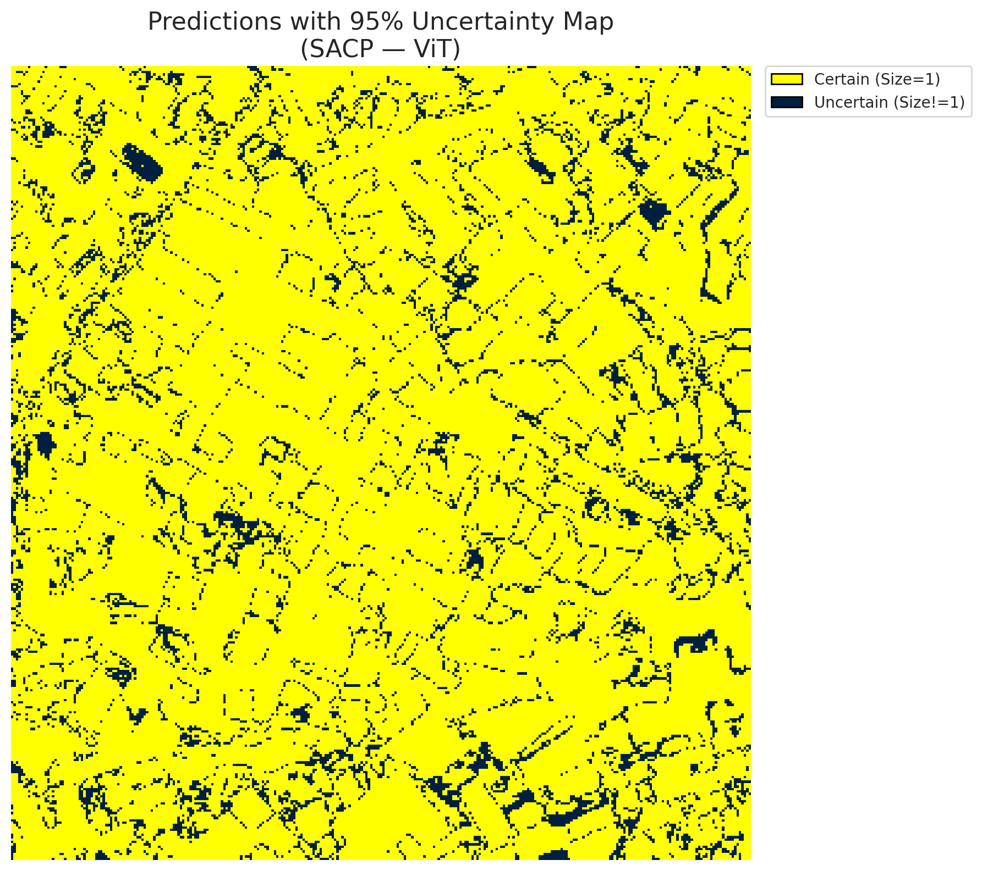
5 | Class 5 | 5161
6 | Class 6 | 2217
7 | Uncertain | 11442

SACP Parameters
q_hat | alpha | lambda | k | avg_set_size_eval
0.8286719135 | 0.05 | 0.5 | 1 | 1.007424594

 |  |  |  |  |  |  |  |  | Class Map with Uncertain Mask
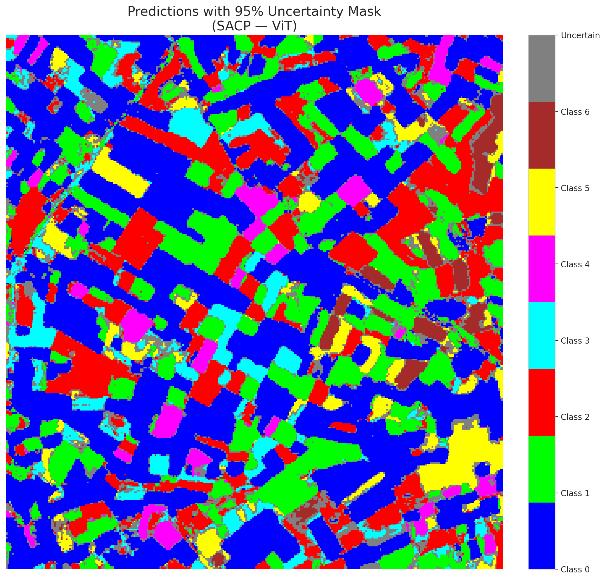

 |  |  |  |  |  |  |  |  | Pixel Counts

