SACP_AlexNet
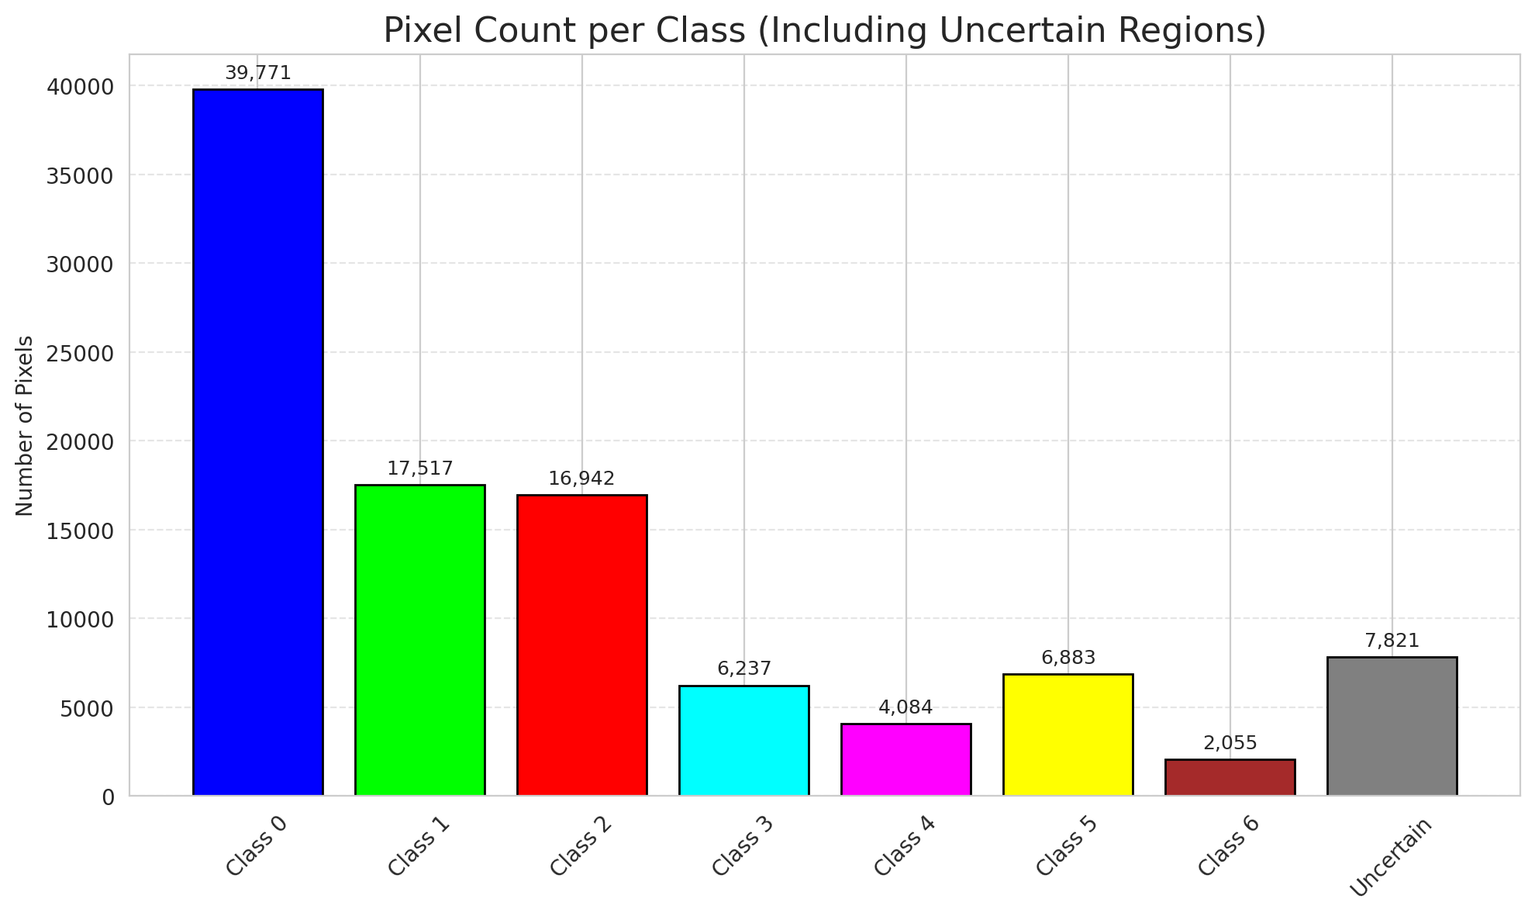
SACP - AlexNet |  |  |  |  |  |  |  |  | Per-Class Coverage
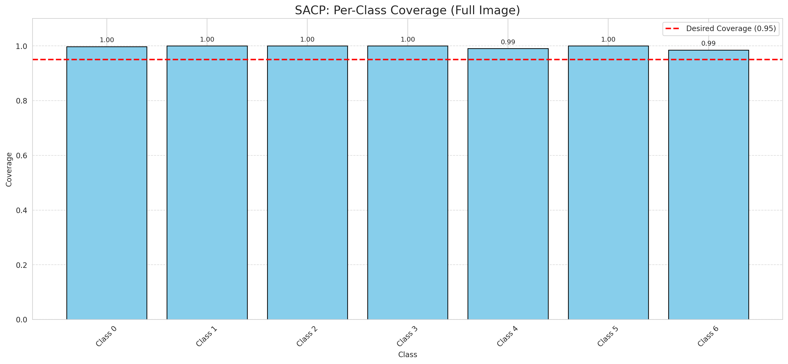
Summary
model_name | method | window_size | target_coverage | empirical_coverage | avg_set_size | median_set_size | singleton_rate | empty_set_rate | runtime_sec | alpha | lambda | k | q_hat | mean_per_class_coverage
AlexNet | SACP | 5 | 0.95 | 0.99814385151 | 1.0009280742 | 1 | 0.99907192575 | 0 | 48.364294602 | 0.05 | 0.5 | 1 | 0.76960482931 | 0.9962129356

Per-Class Coverage Values
class_id | class_coverage | support_count
0 | 0.99781181619 | 914
1 | 1 | 454
2 | 1 | 358
3 | 1 | 156
4 | 0.99038461538 | 104
5 | 1 | 101
6 | 0.98529411765 | 68

Pixel Counts
class_id | label | pixel_count
0 | Class 0 | 39771
1 | Class 1 | 17517
2 | Class 2 | 16942
3 | Class 3 | 6237
4 | Class 4 | 4084 |  |  |  |  |  |  | Certain vs Uncertain Map
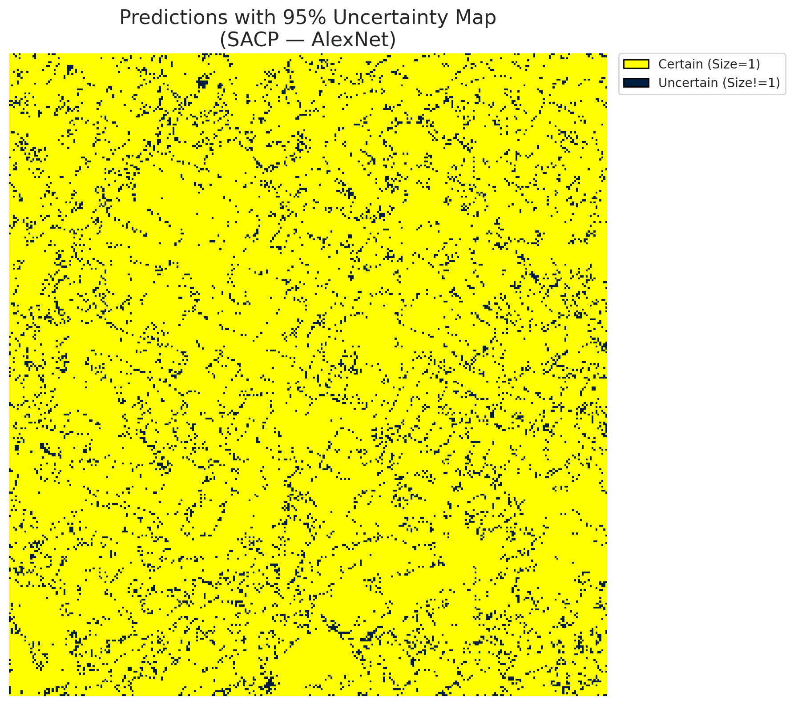
5 | Class 5 | 6883
6 | Class 6 | 2055
7 | Uncertain | 7821

SACP Parameters
q_hat | alpha | lambda | k | avg_set_size_eval
0.76960482931 | 0.05 | 0.5 | 1 | 1.0009280742

 |  |  |  |  |  |  |  |  | Class Map with Uncertain Mask
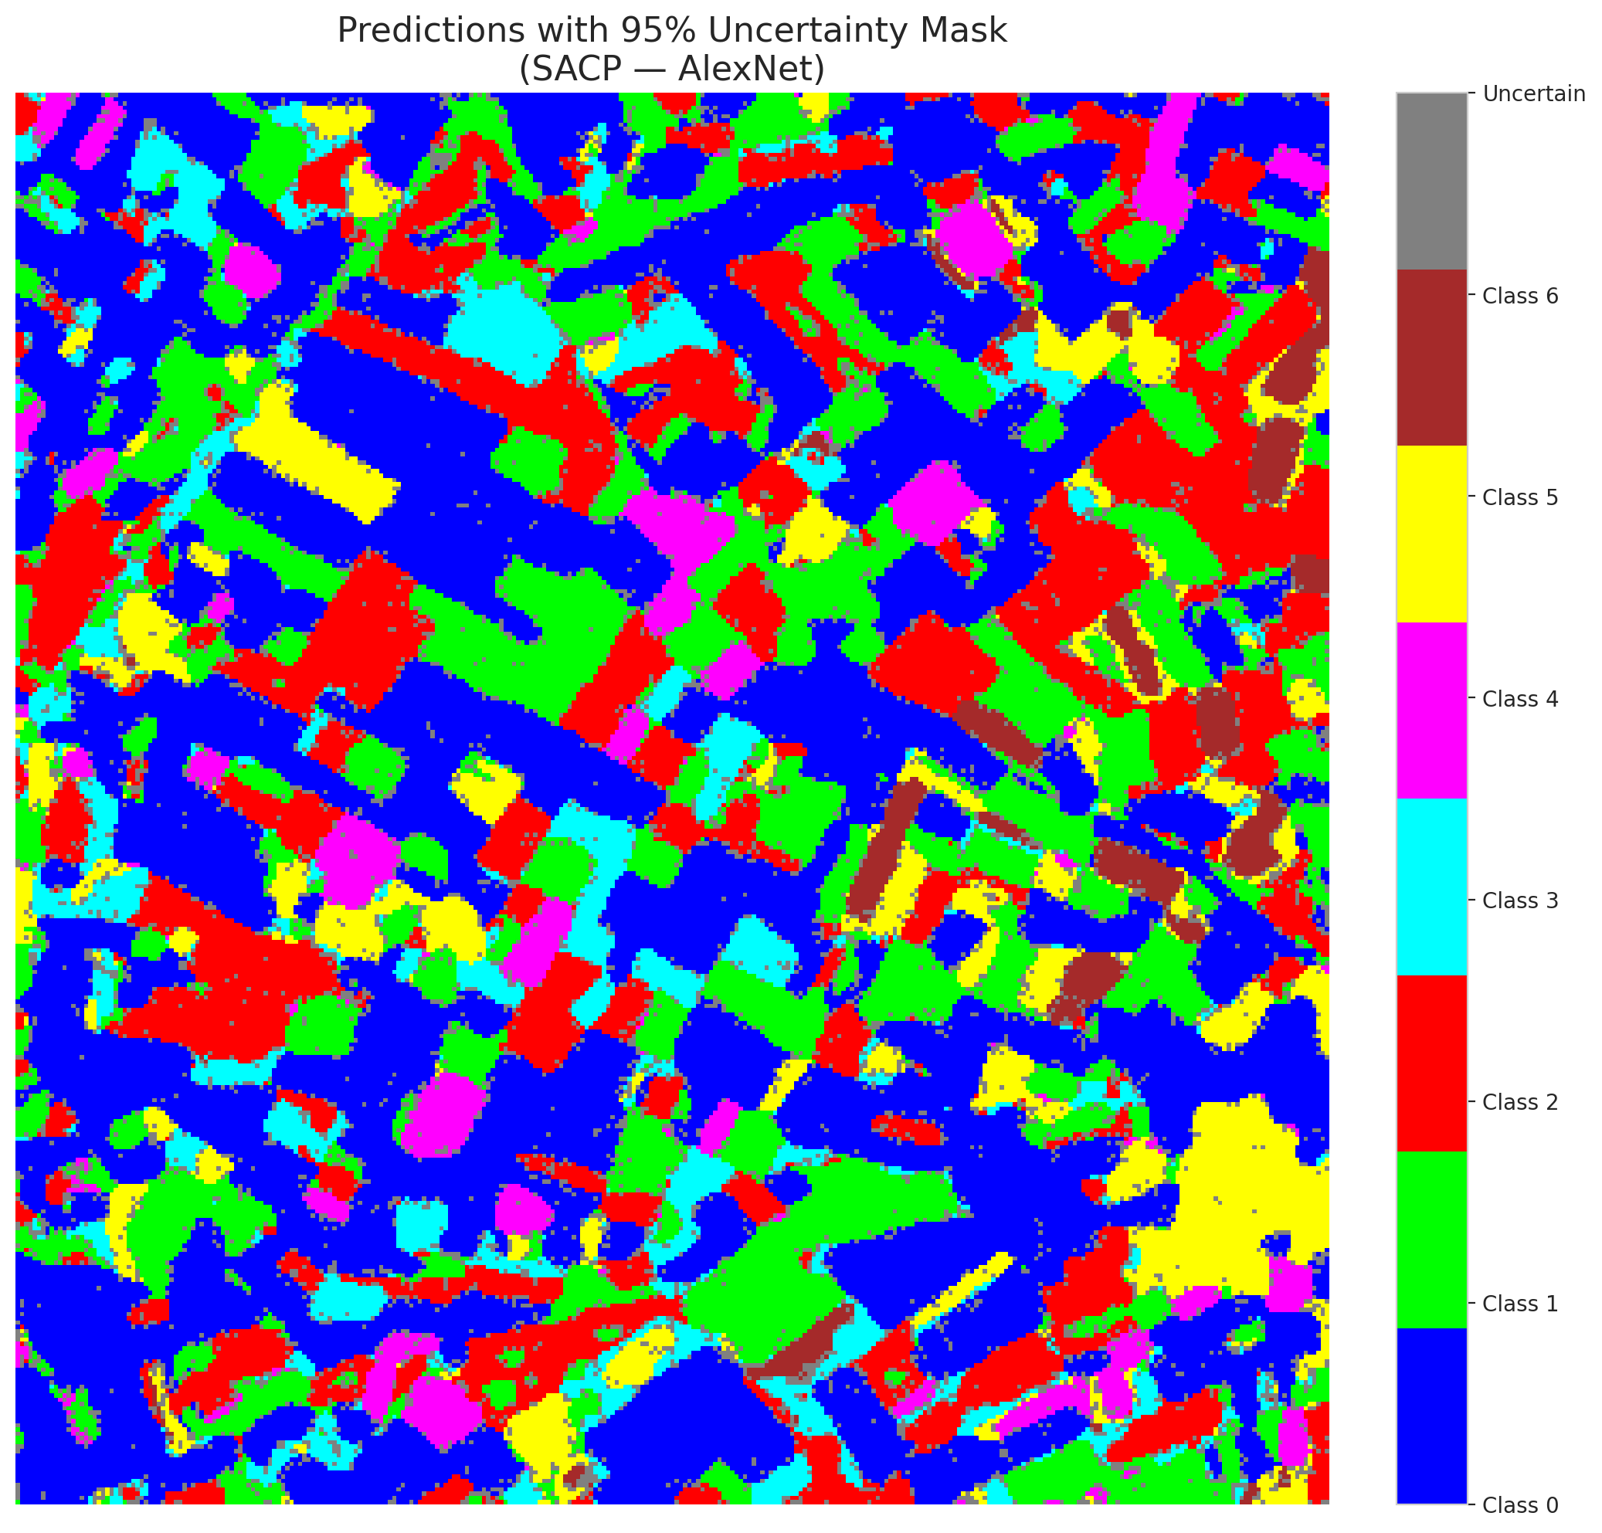

 |  |  |  |  |  |  |  |  | Pixel Counts

SACP_GFNet
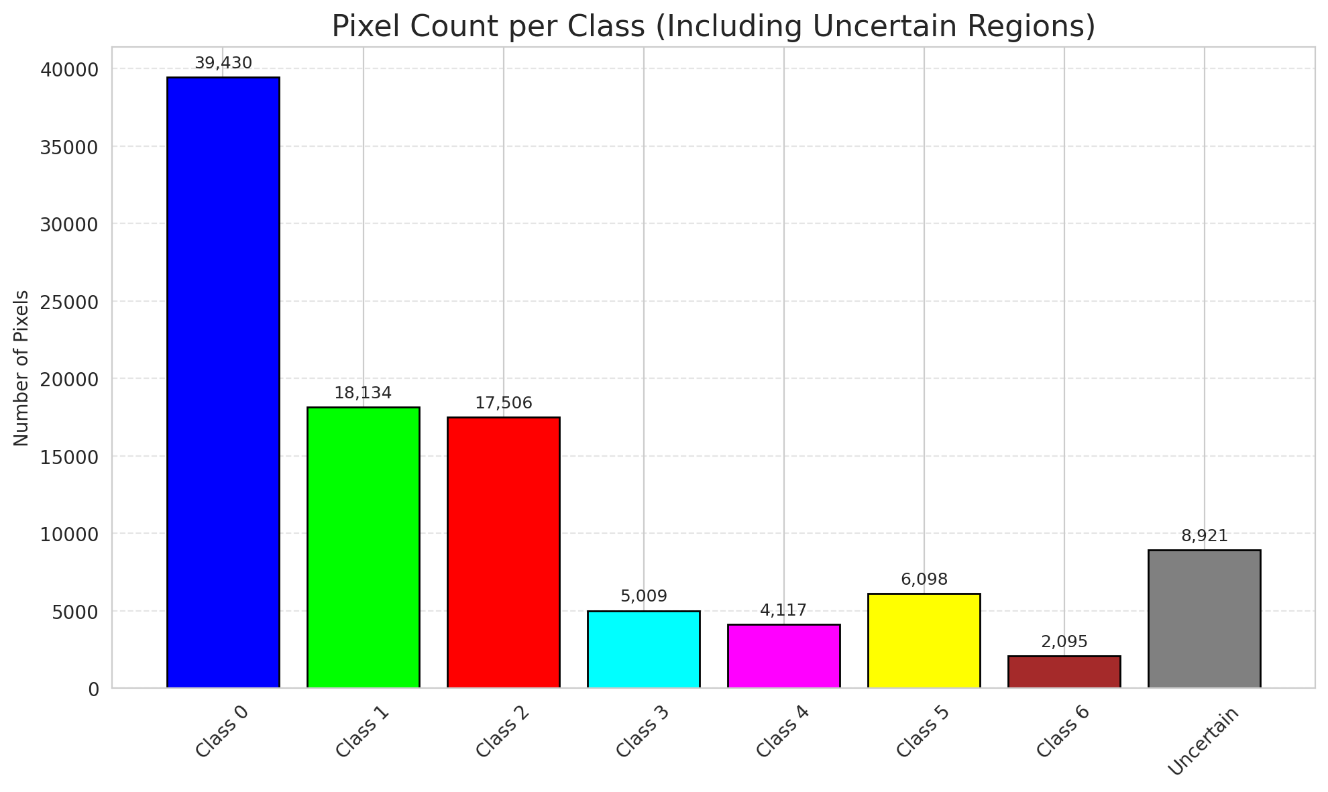
SACP - GFNet |  |  |  |  |  |  |  |  | Per-Class Coverage
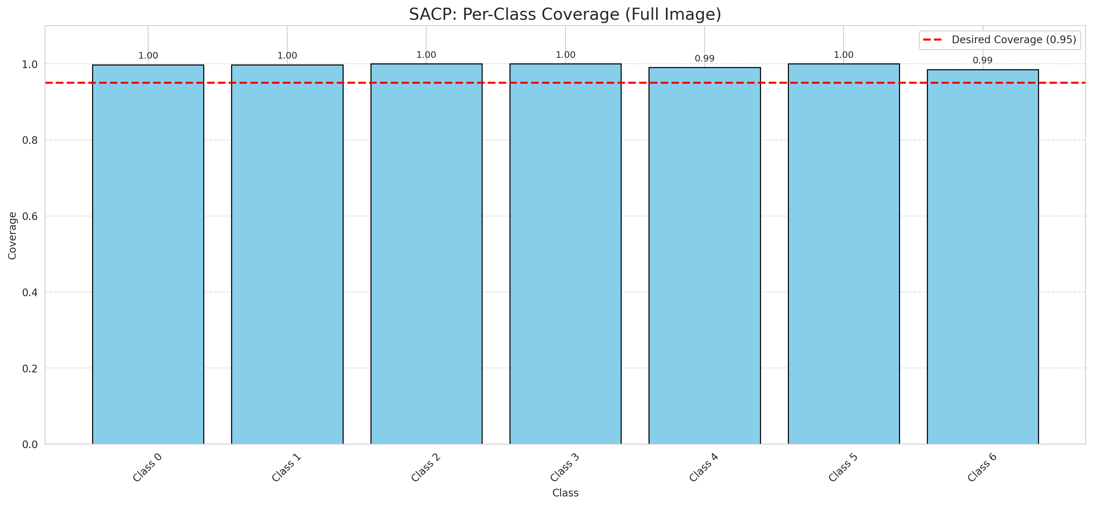
Summary
model_name | method | window_size | target_coverage | empirical_coverage | avg_set_size | median_set_size | singleton_rate | empty_set_rate | runtime_sec | alpha | lambda | k | q_hat | mean_per_class_coverage
GFNet | SACP | 5 | 0.95 | 0.99767981439 | 1.0027842227 | 1 | 0.99721577726 | 0 | 46.272374222 | 0.05 | 0.5 | 1 | 0.76622320068 | 0.99589827229

Per-Class Coverage Values
class_id | class_coverage | support_count
0 | 0.99781181619 | 914
1 | 0.99779735683 | 454
2 | 1 | 358
3 | 1 | 156
4 | 0.99038461538 | 104
5 | 1 | 101
6 | 0.98529411765 | 68

Pixel Counts
class_id | label | pixel_count
0 | Class 0 | 39430
1 | Class 1 | 18134
2 | Class 2 | 17506
3 | Class 3 | 5009
4 | Class 4 | 4117 |  |  |  |  |  |  | Certain vs Uncertain Map
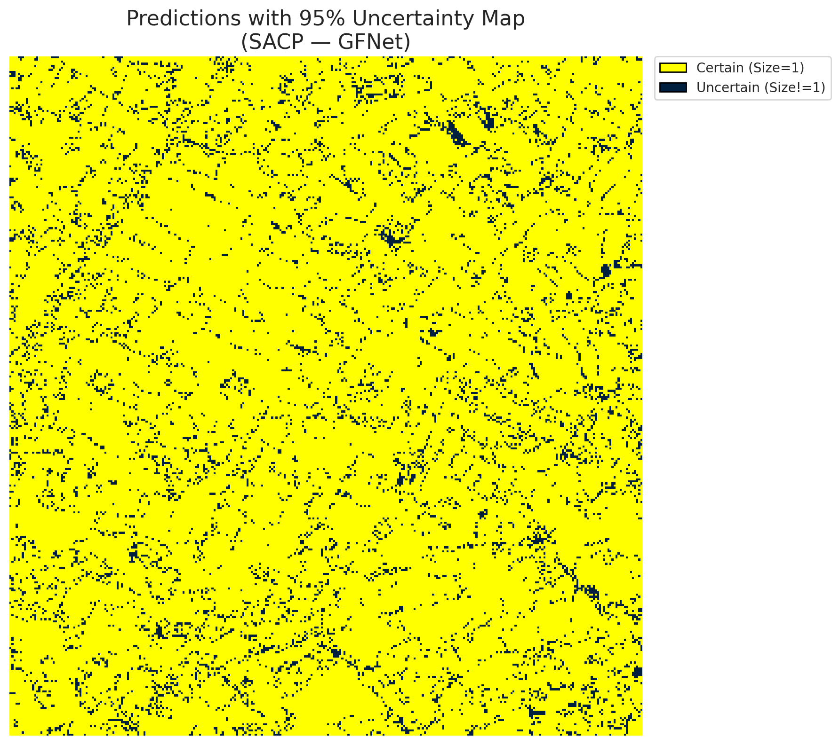
5 | Class 5 | 6098
6 | Class 6 | 2095
7 | Uncertain | 8921

SACP Parameters
q_hat | alpha | lambda | k | avg_set_size_eval
0.76622320068 | 0.05 | 0.5 | 1 | 1.0027842227

 |  |  |  |  |  |  |  |  | Class Map with Uncertain Mask
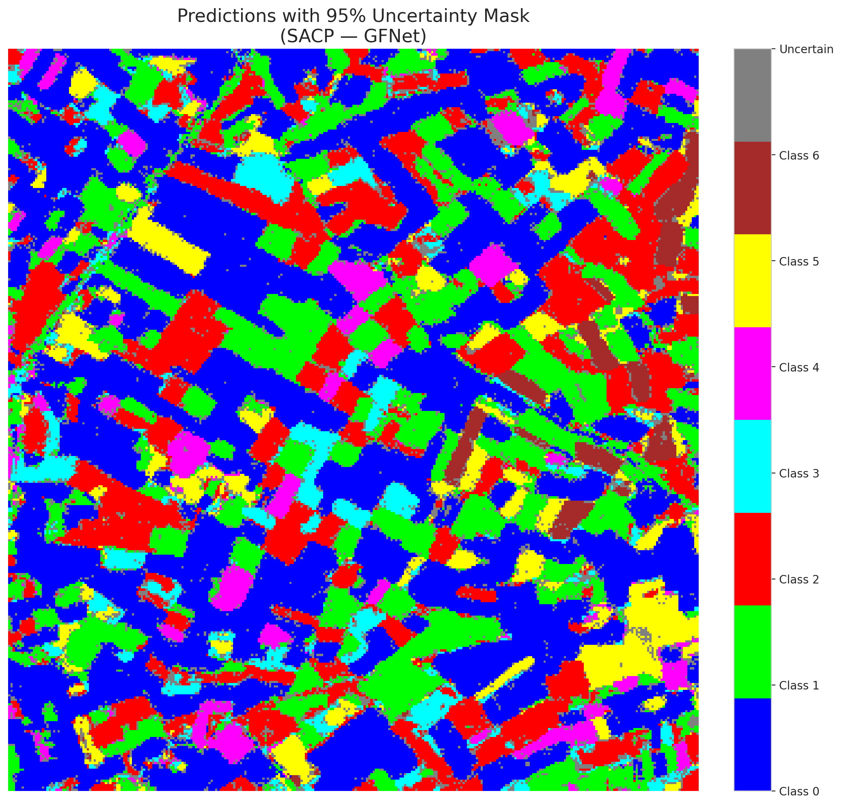

 |  |  |  |  |  |  |  |  | Pixel Counts

SACP_ViT
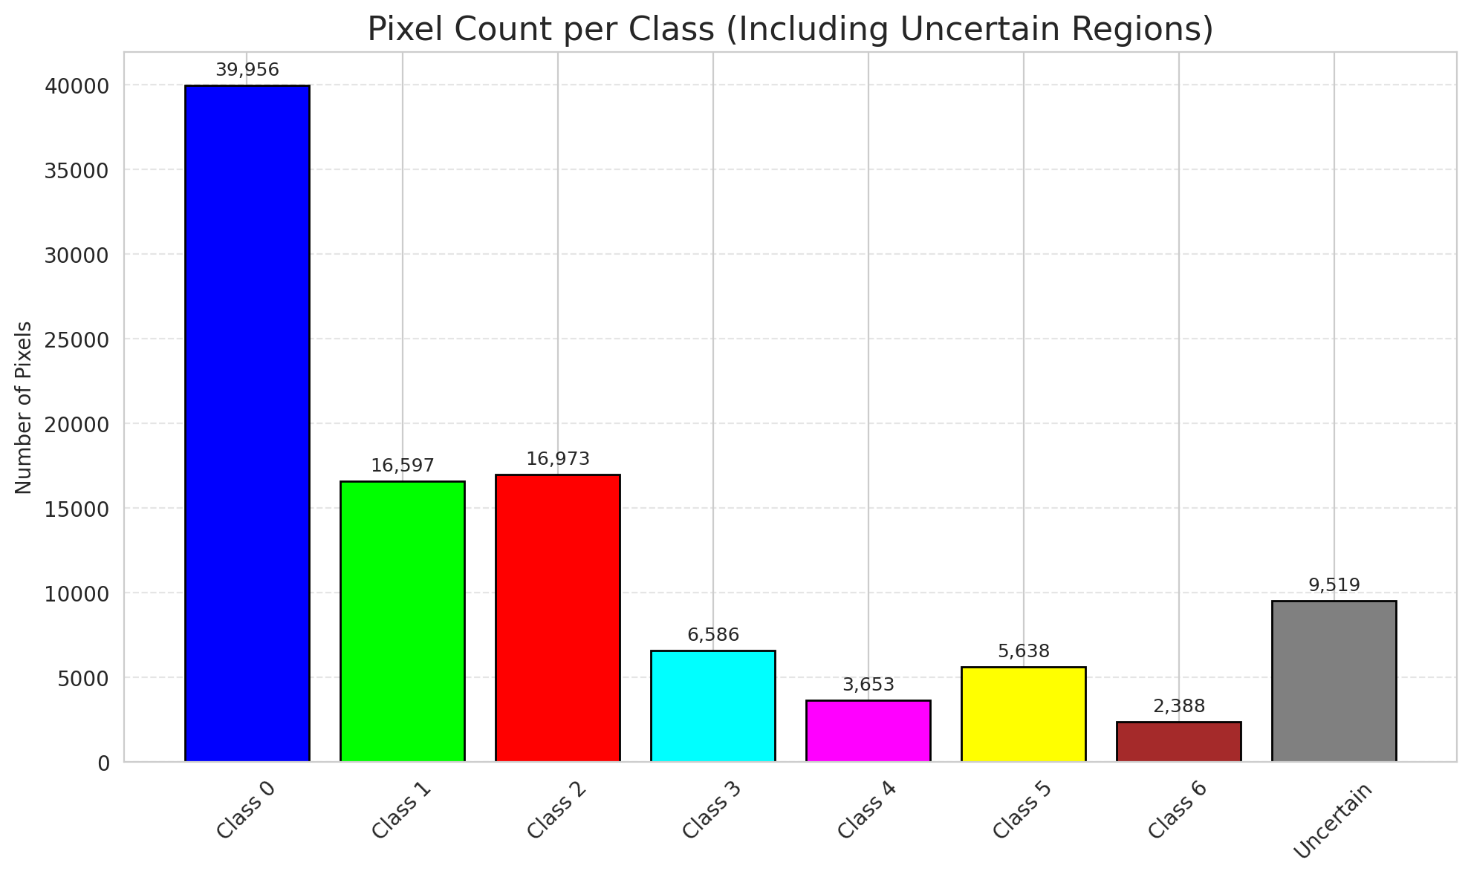
SACP - ViT |  |  |  |  |  |  |  |  | Per-Class Coverage
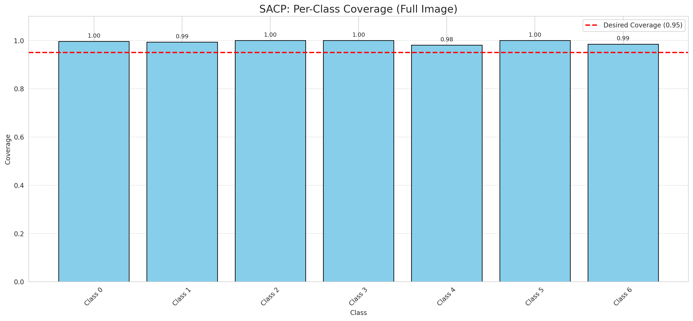
Summary
model_name | method | window_size | target_coverage | empirical_coverage | avg_set_size | median_set_size | singleton_rate | empty_set_rate | runtime_sec | alpha | lambda | k | q_hat | mean_per_class_coverage
ViT | SACP | 5 | 0.95 | 0.99582366589 | 1.0046403712 | 1 | 0.99535962877 | 0 | 50.198568394 | 0.05 | 0.5 | 1 | 0.74389003379 | 0.99373902046

Per-Class Coverage Values
class_id | class_coverage | support_count
0 | 0.99671772429 | 914
1 | 0.99339207048 | 454
2 | 1 | 358
3 | 1 | 156
4 | 0.98076923077 | 104
5 | 1 | 101
6 | 0.98529411765 | 68

Pixel Counts
class_id | label | pixel_count
0 | Class 0 | 39956
1 | Class 1 | 16597
2 | Class 2 | 16973
3 | Class 3 | 6586
4 | Class 4 | 3653 |  |  |  |  |  |  | Certain vs Uncertain Map
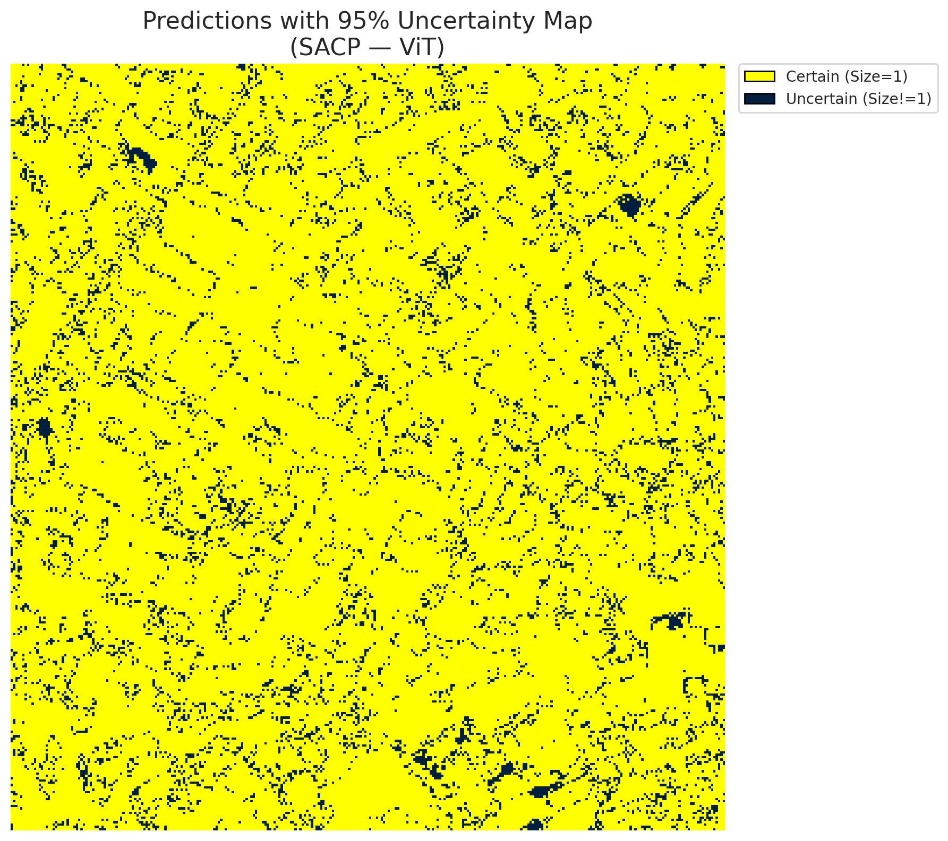
5 | Class 5 | 5638
6 | Class 6 | 2388
7 | Uncertain | 9519

SACP Parameters
q_hat | alpha | lambda | k | avg_set_size_eval
0.74389003379 | 0.05 | 0.5 | 1 | 1.0046403712

 |  |  |  |  |  |  |  |  | Class Map with Uncertain Mask
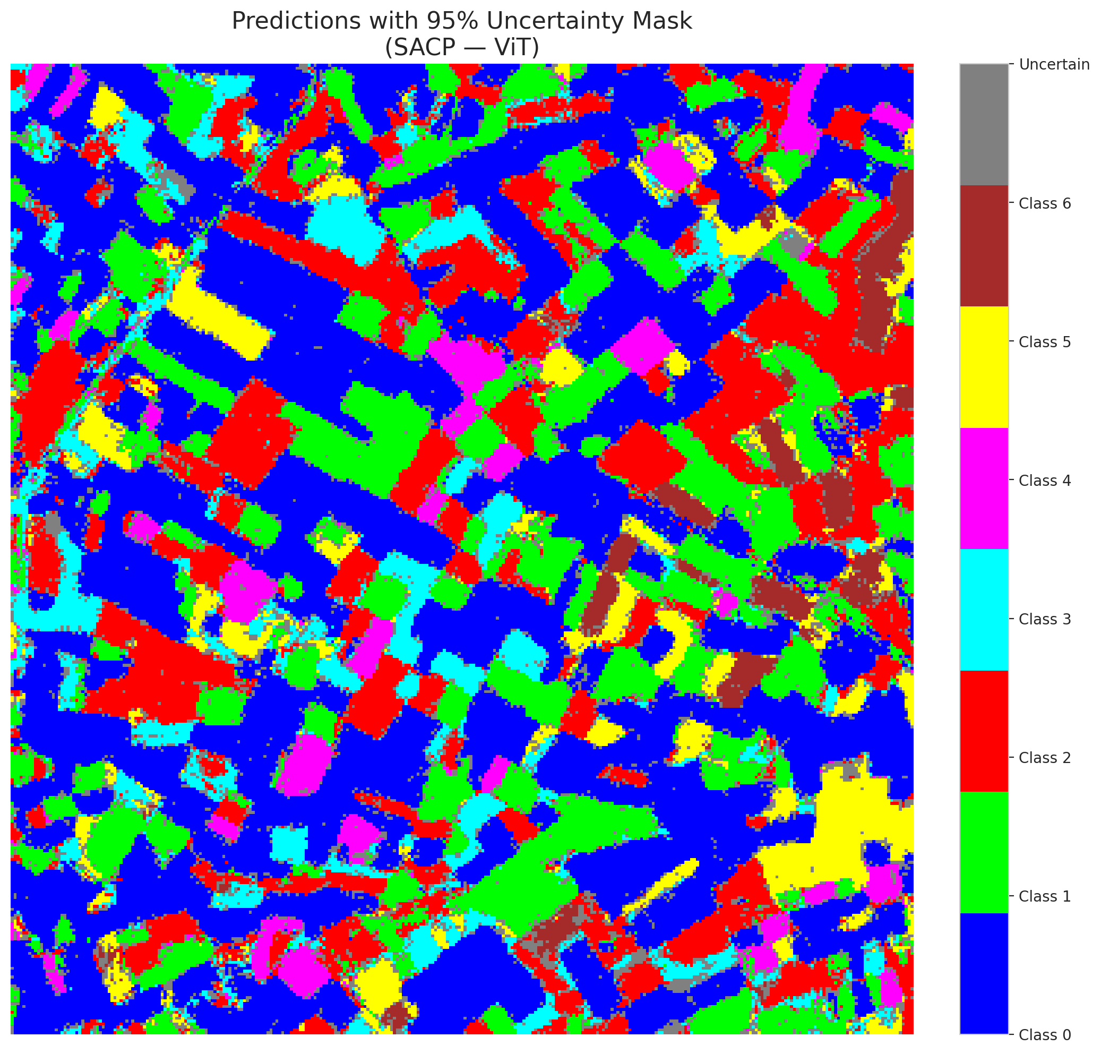

 |  |  |  |  |  |  |  |  | Pixel Counts

