SACP_AlexNet
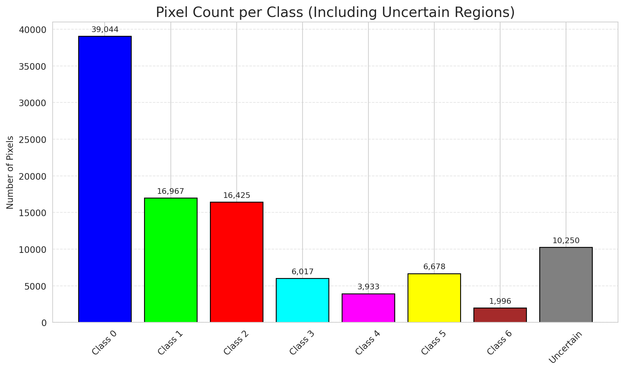
SACP - AlexNet |  |  |  |  |  |  |  |  | Per-Class Coverage
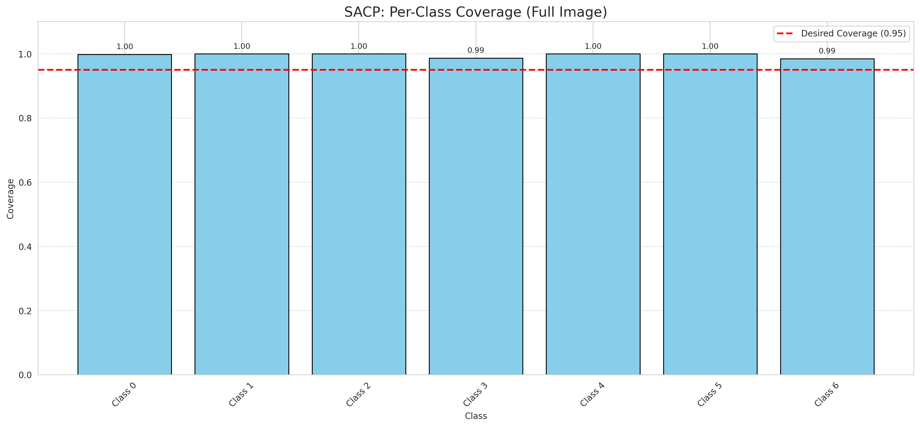
Summary
model_name | method | window_size | target_coverage | empirical_coverage | avg_set_size | median_set_size | singleton_rate | empty_set_rate | runtime_sec | alpha | lambda | k | q_hat | mean_per_class_coverage
AlexNet | SACP | 7 | 0.95 | 0.99814385151 | 1.0009280742 | 1 | 0.99907192575 | 0 | 53.43713761 | 0.05 | 0.5 | 1 | 0.76361926099 | 0.99591135899

Per-Class Coverage Values
class_id | class_coverage | support_count
0 | 0.9989059081 | 914
1 | 1 | 454
2 | 1 | 358
3 | 0.98717948718 | 156
4 | 1 | 104
5 | 1 | 101
6 | 0.98529411765 | 68

Pixel Counts
class_id | label | pixel_count
0 | Class 0 | 39044
1 | Class 1 | 16967
2 | Class 2 | 16425
3 | Class 3 | 6017
4 | Class 4 | 3933 |  |  |  |  |  |  | Certain vs Uncertain Map
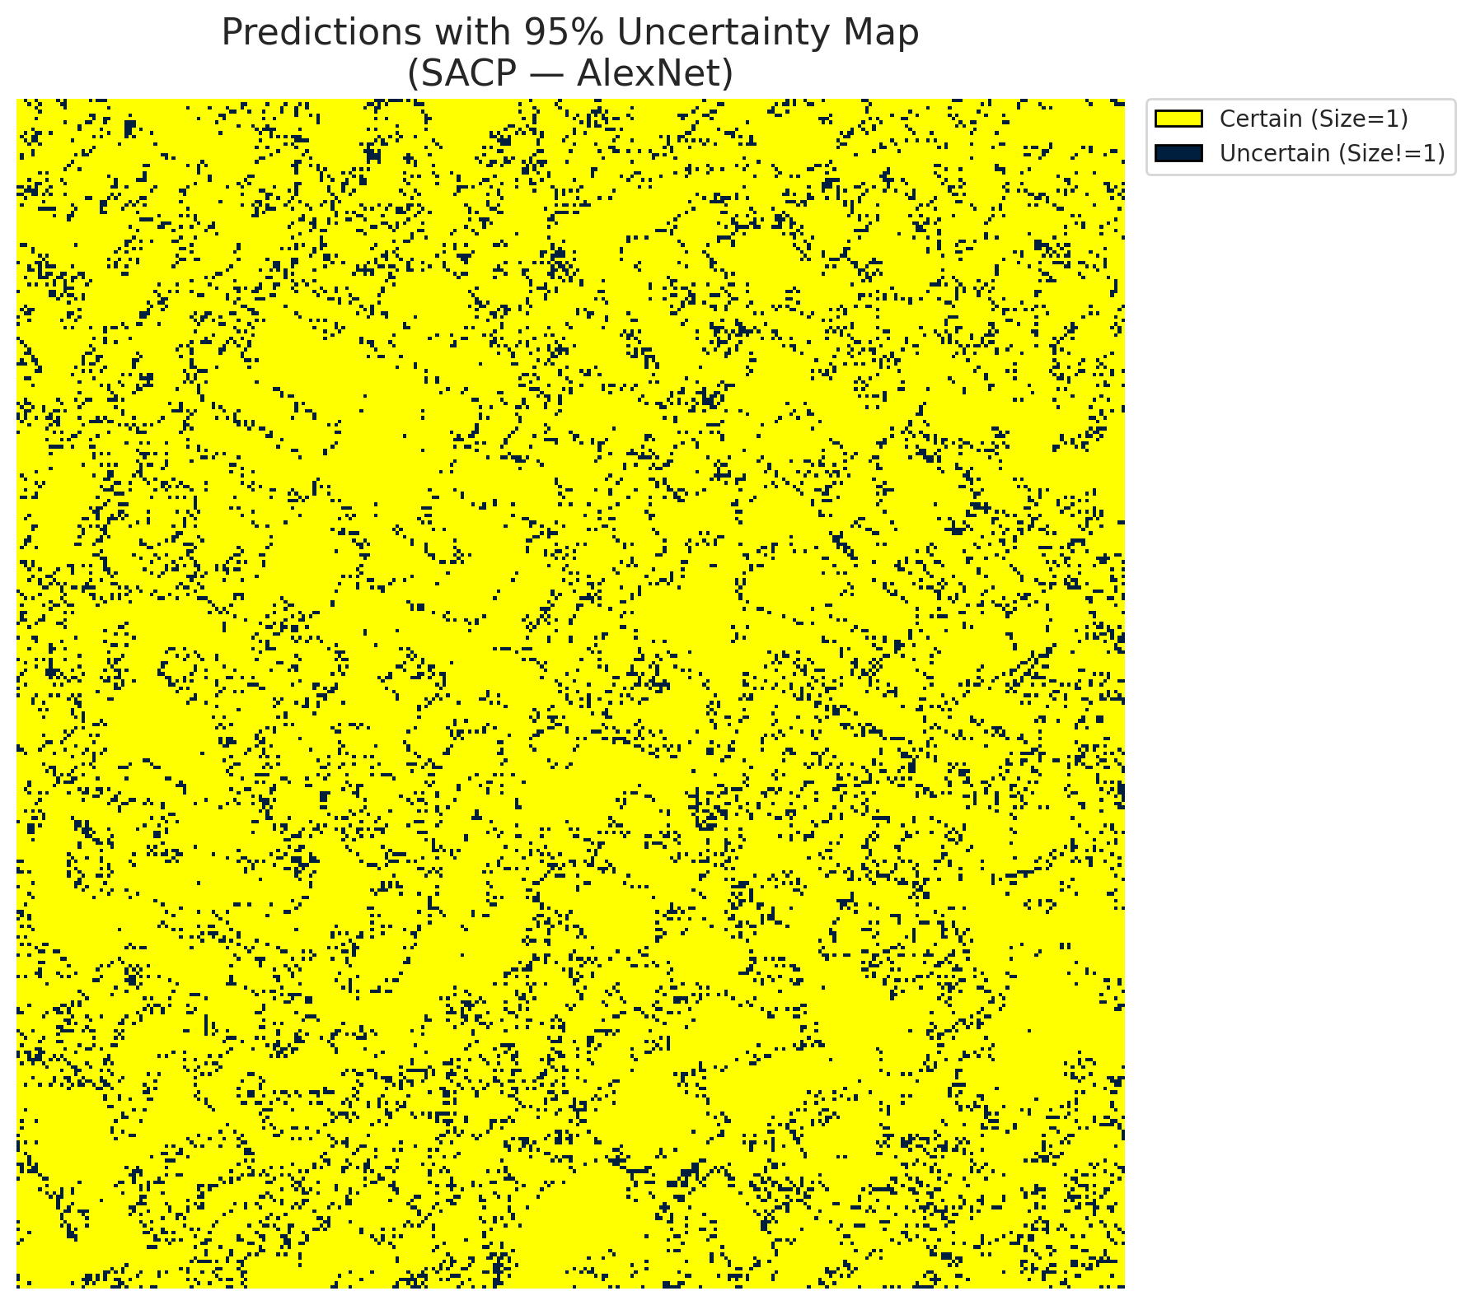
5 | Class 5 | 6678
6 | Class 6 | 1996
7 | Uncertain | 10250

SACP Parameters
q_hat | alpha | lambda | k | avg_set_size_eval
0.76361926099 | 0.05 | 0.5 | 1 | 1.0009280742

 |  |  |  |  |  |  |  |  | Class Map with Uncertain Mask
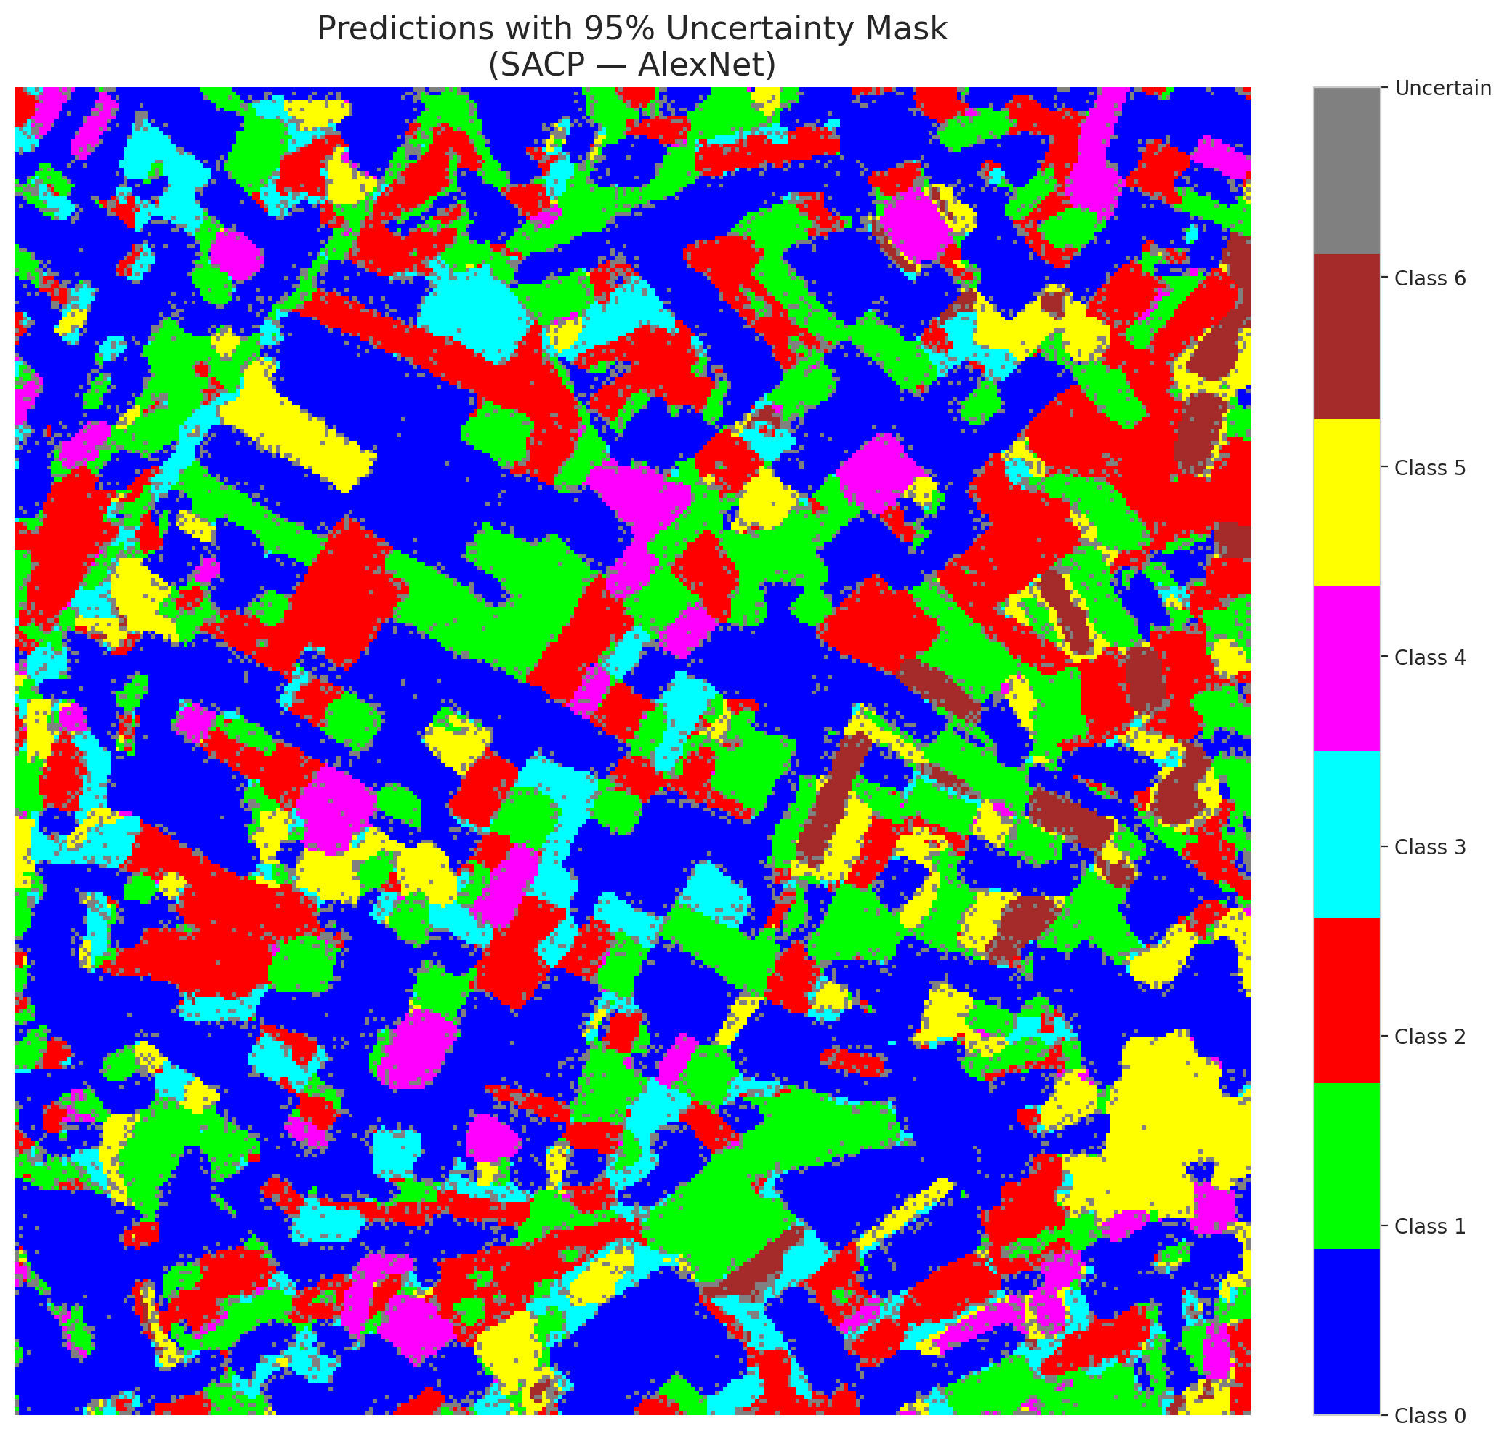

 |  |  |  |  |  |  |  |  | Pixel Counts

SACP_GFNet

SACP - GFNet |  |  |  |  |  |  |  |  | Per-Class Coverage
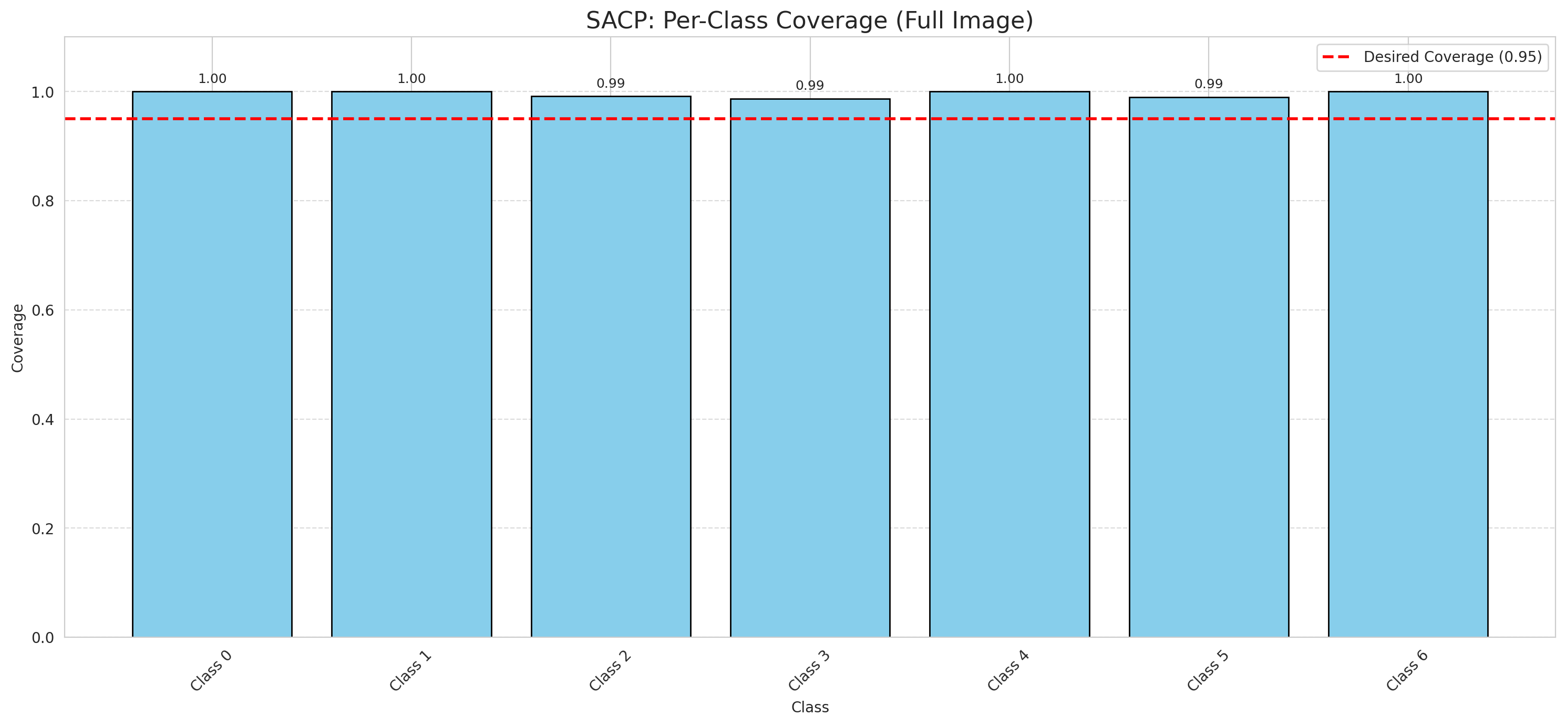
Summary
model_name | method | window_size | target_coverage | empirical_coverage | avg_set_size | median_set_size | singleton_rate | empty_set_rate | runtime_sec | alpha | lambda | k | q_hat | mean_per_class_coverage
GFNet | SACP | 7 | 0.95 | 0.99721577726 | 1.0009280742 | 1 | 0.99907192575 | 0 | 49.841807428 | 0.05 | 0.5 | 1 | 0.75836108399 | 0.99555694412

Per-Class Coverage Values
class_id | class_coverage | support_count
0 | 1 | 914
1 | 1 | 454
2 | 0.99162011173 | 358
3 | 0.98717948718 | 156
4 | 1 | 104
5 | 0.9900990099 | 101
6 | 1 | 68

Pixel Counts
class_id | label | pixel_count
0 | Class 0 | 38601
1 | Class 1 | 17573
2 | Class 2 | 17056
3 | Class 3 | 4840
4 | Class 4 | 3944 |  |  |  |  |  |  | Certain vs Uncertain Map
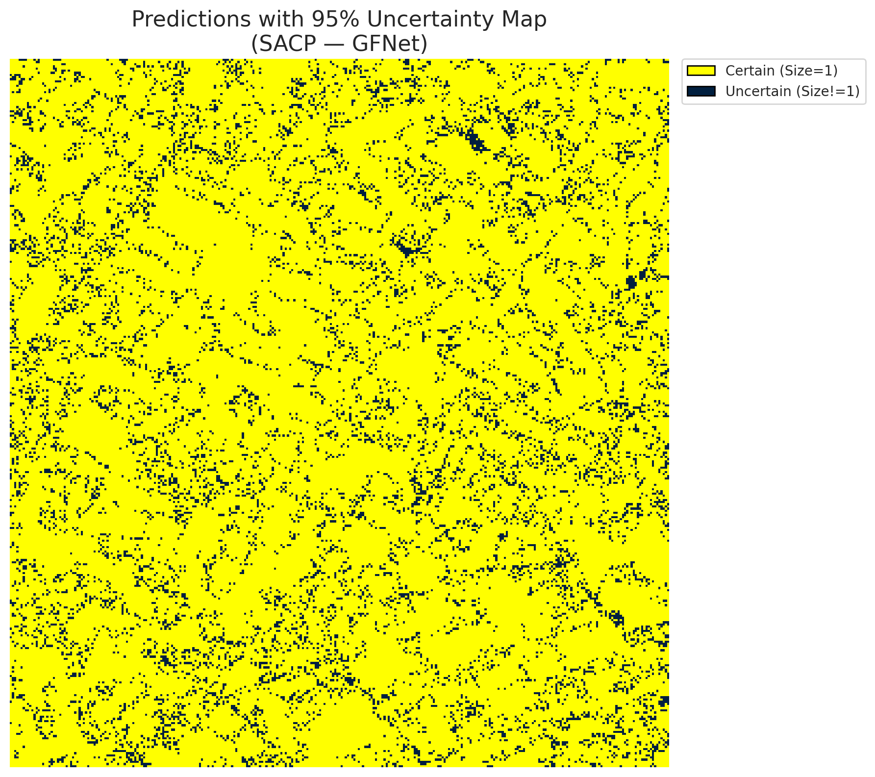
5 | Class 5 | 5915
6 | Class 6 | 2072
7 | Uncertain | 11309

SACP Parameters
q_hat | alpha | lambda | k | avg_set_size_eval
0.75836108399 | 0.05 | 0.5 | 1 | 1.0009280742

 |  |  |  |  |  |  |  |  | Class Map with Uncertain Mask
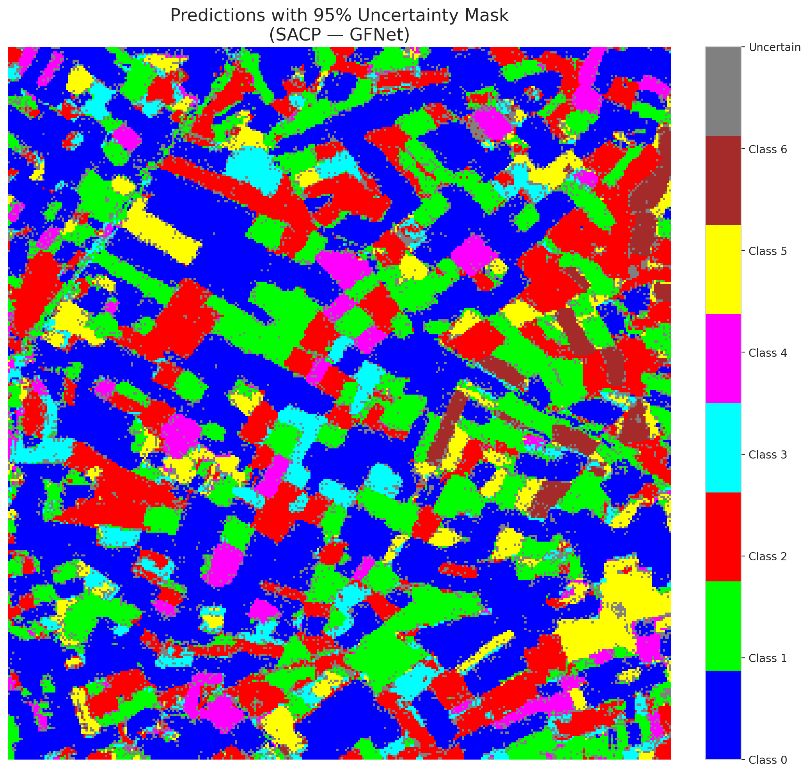

 |  |  |  |  |  |  |  |  | Pixel Counts

SACP_ViT

SACP - ViT |  |  |  |  |  |  |  |  | Per-Class Coverage
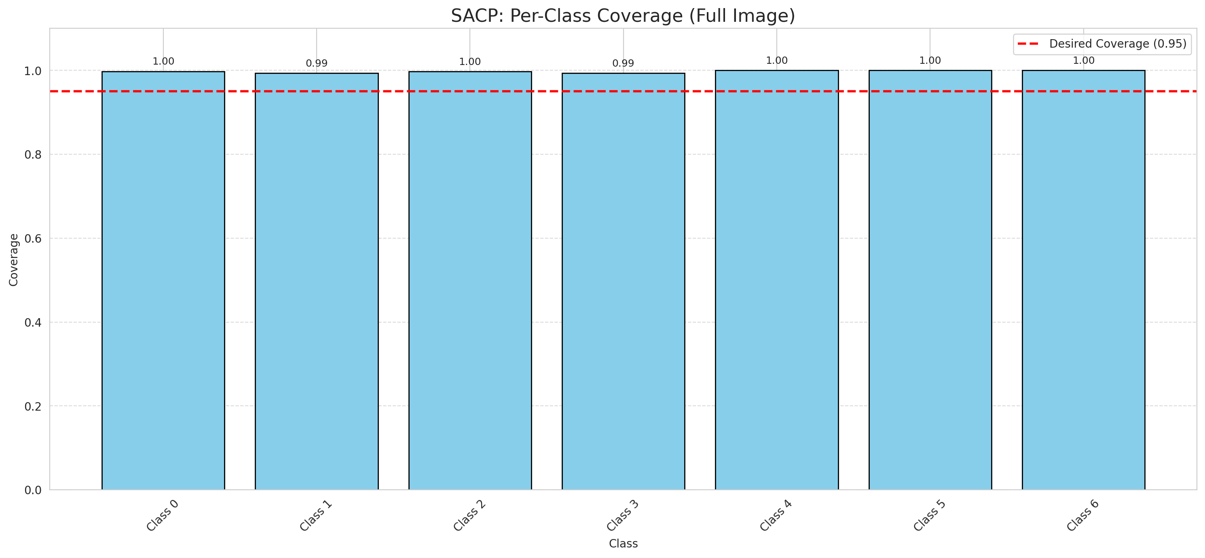
Summary
model_name | method | window_size | target_coverage | empirical_coverage | avg_set_size | median_set_size | singleton_rate | empty_set_rate | runtime_sec | alpha | lambda | k | q_hat | mean_per_class_coverage
ViT | SACP | 7 | 0.95 | 0.99675174014 | 1.0032482599 | 1 | 0.99675174014 | 0 | 54.86078641 | 0.05 | 0.5 | 1 | 0.73511311828 | 0.99742861917

Per-Class Coverage Values
class_id | class_coverage | support_count
0 | 0.99781181619 | 914
1 | 0.99339207048 | 454
2 | 0.99720670391 | 358
3 | 0.99358974359 | 156
4 | 1 | 104
5 | 1 | 101
6 | 1 | 68

Pixel Counts
class_id | label | pixel_count
0 | Class 0 | 39107
1 | Class 1 | 16014
2 | Class 2 | 16462
3 | Class 3 | 6395
4 | Class 4 | 3531 |  |  |  |  |  |  | Certain vs Uncertain Map
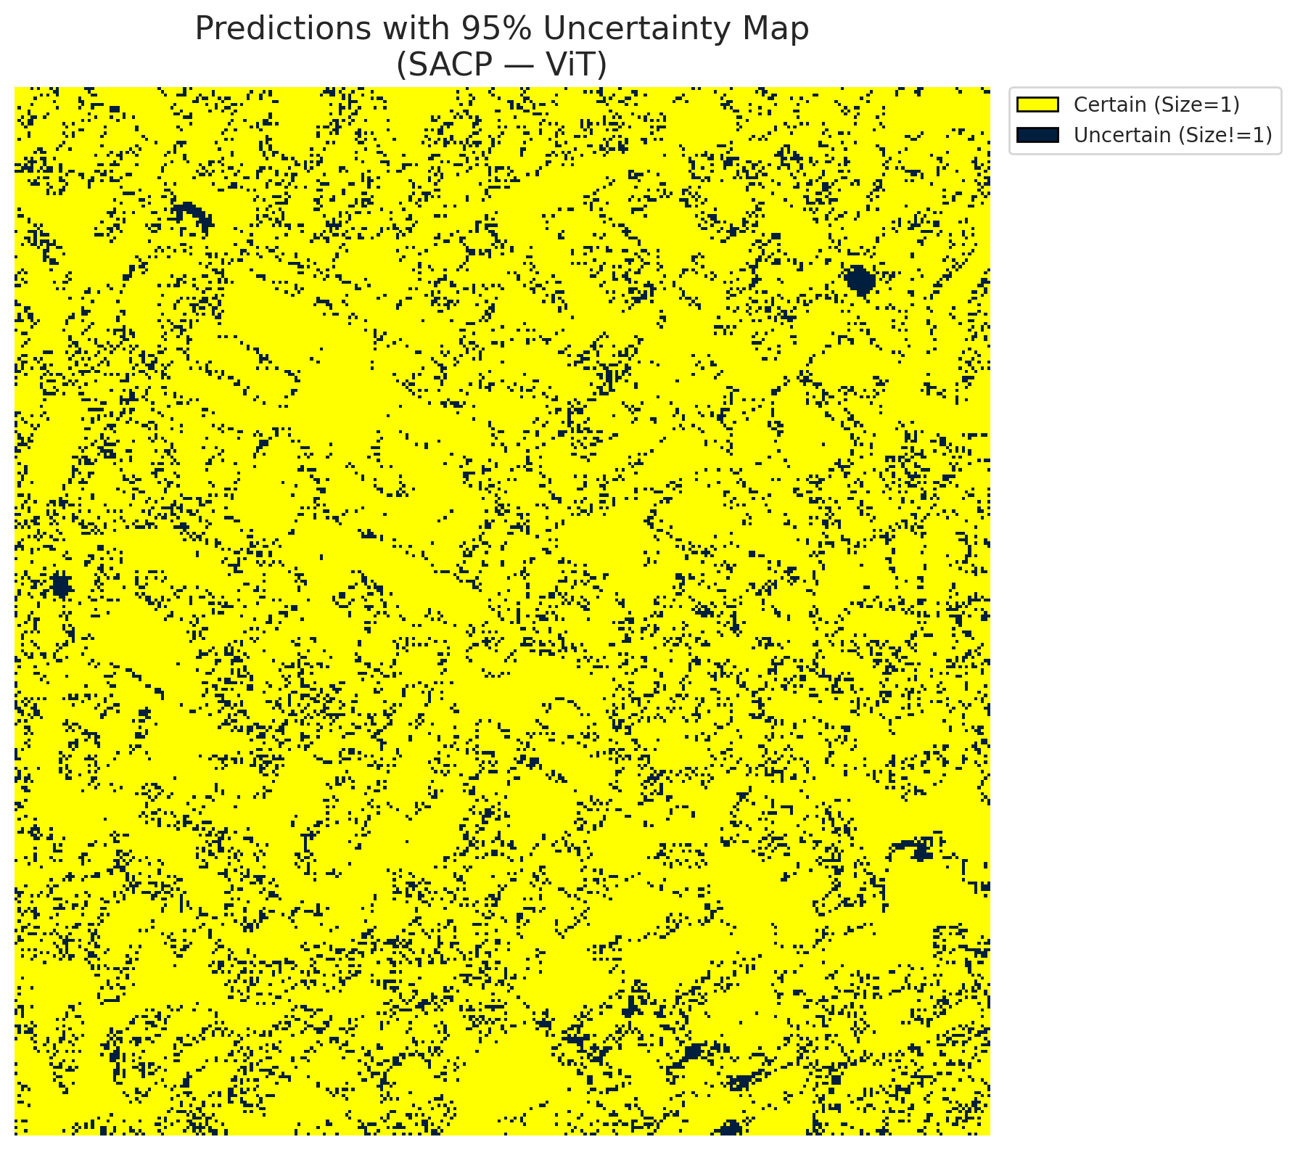
5 | Class 5 | 5491
6 | Class 6 | 2335
7 | Uncertain | 11975

SACP Parameters
q_hat | alpha | lambda | k | avg_set_size_eval
0.73511311828 | 0.05 | 0.5 | 1 | 1.0032482599

 |  |  |  |  |  |  |  |  | Class Map with Uncertain Mask
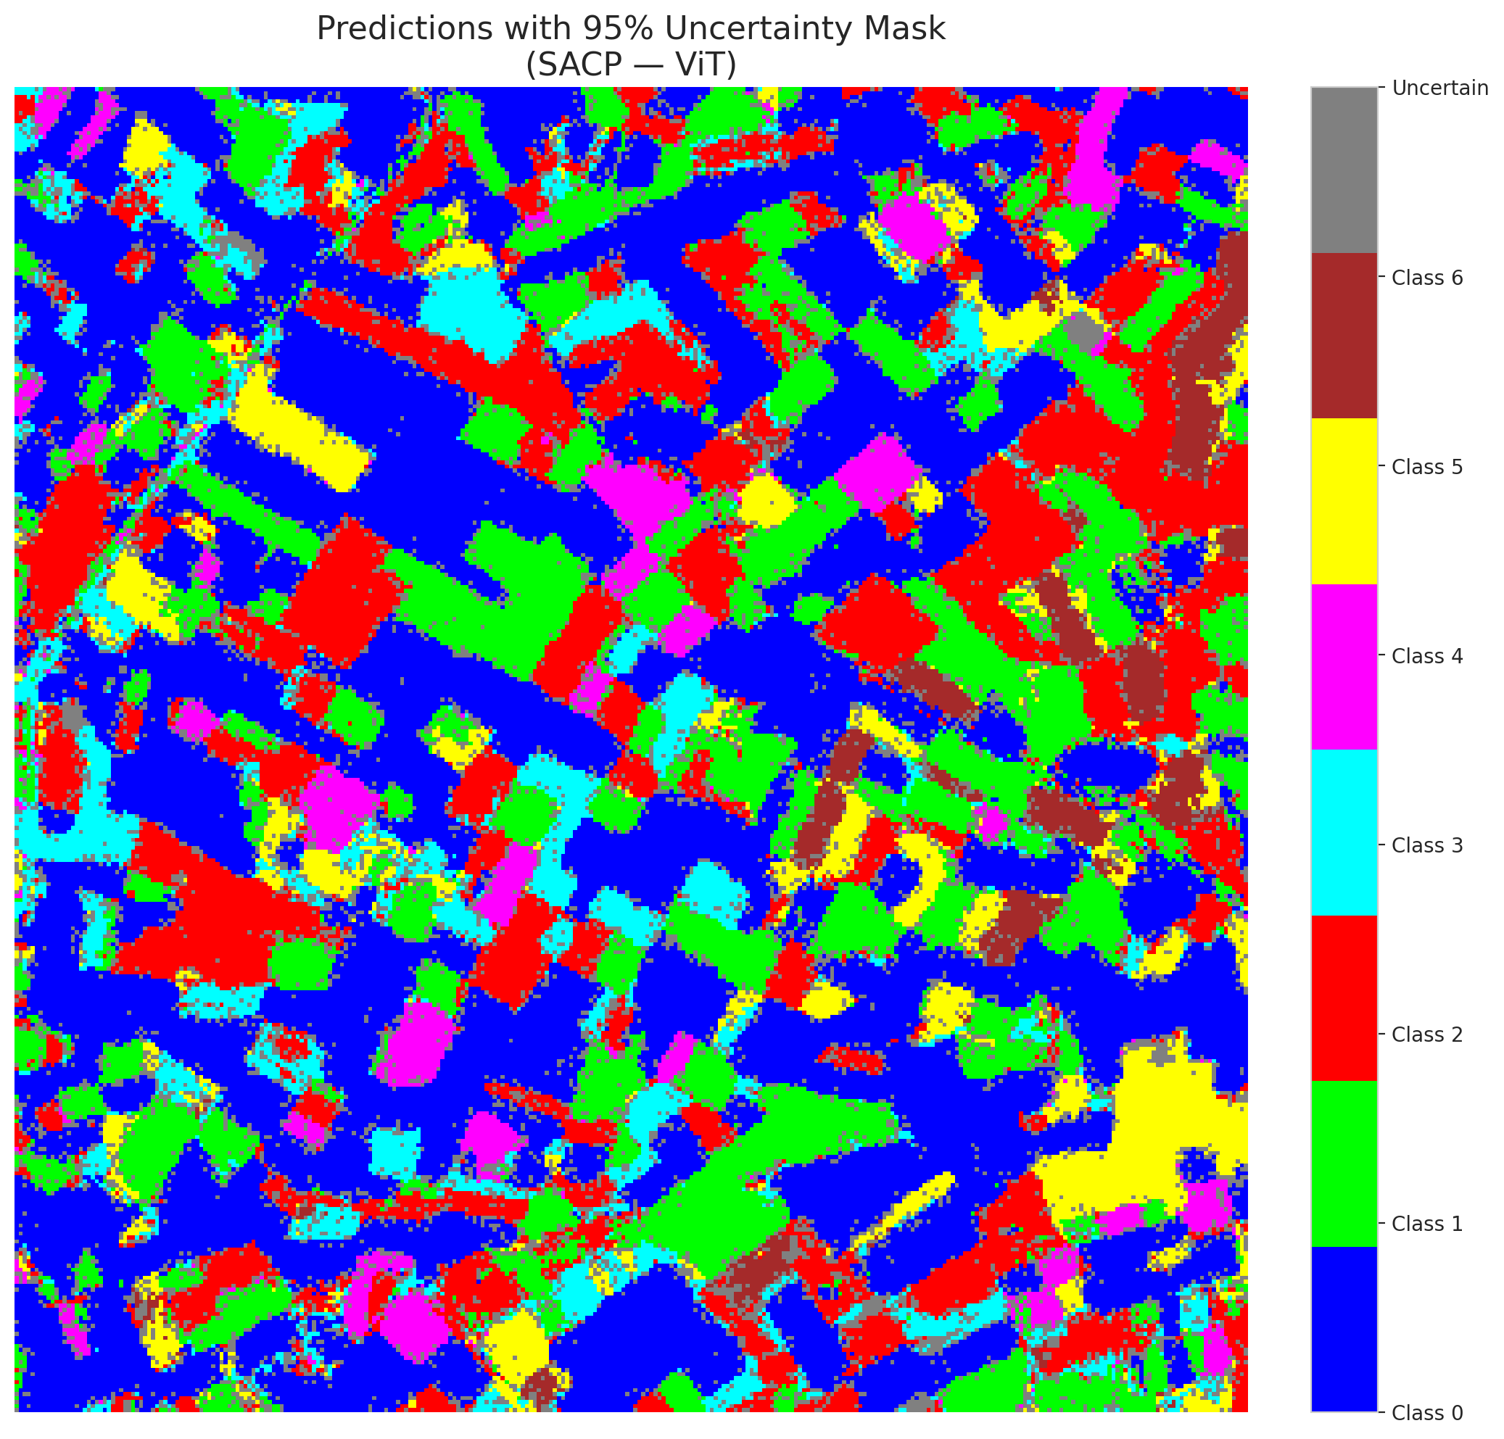

 |  |  |  |  |  |  |  |  | Pixel Counts

