SACP_AlexNet
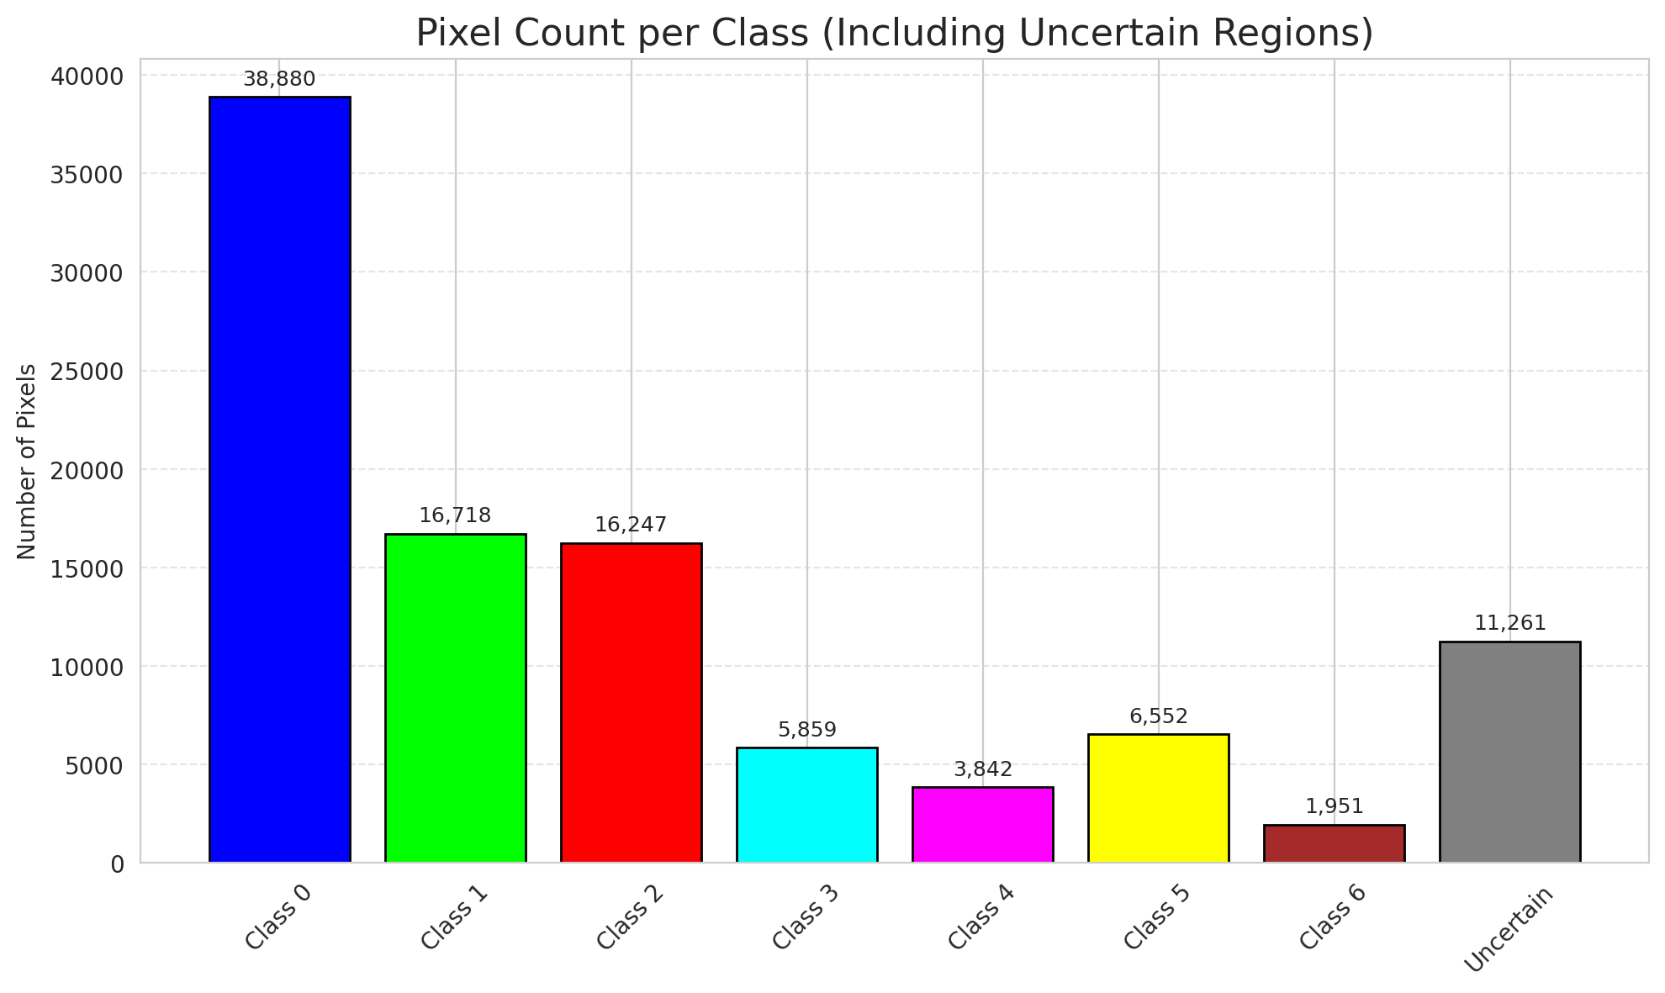
SACP - AlexNet |  |  |  |  |  |  |  |  | Per-Class Coverage
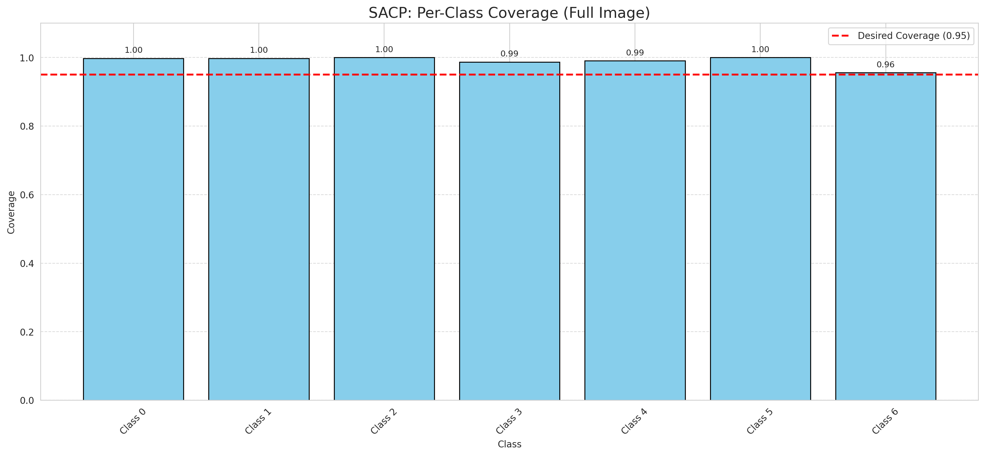
Summary
model_name | method | window_size | target_coverage | empirical_coverage | avg_set_size | median_set_size | singleton_rate | empty_set_rate | runtime_sec | alpha | lambda | k | q_hat | mean_per_class_coverage
AlexNet | SACP | 9 | 0.95 | 0.99582366589 | 1 | 1 | 1 | 0 | 59.05415012 | 0.05 | 0.5 | 1 | 0.77244363527 | 0.98986508979

Per-Class Coverage Values
class_id | class_coverage | support_count
0 | 0.99781181619 | 914
1 | 0.99779735683 | 454
2 | 1 | 358
3 | 0.98717948718 | 156
4 | 0.99038461538 | 104
5 | 1 | 101
6 | 0.95588235294 | 68

Pixel Counts
class_id | label | pixel_count
0 | Class 0 | 38880
1 | Class 1 | 16718
2 | Class 2 | 16247
3 | Class 3 | 5859
4 | Class 4 | 3842 |  |  |  |  |  |  | Certain vs Uncertain Map
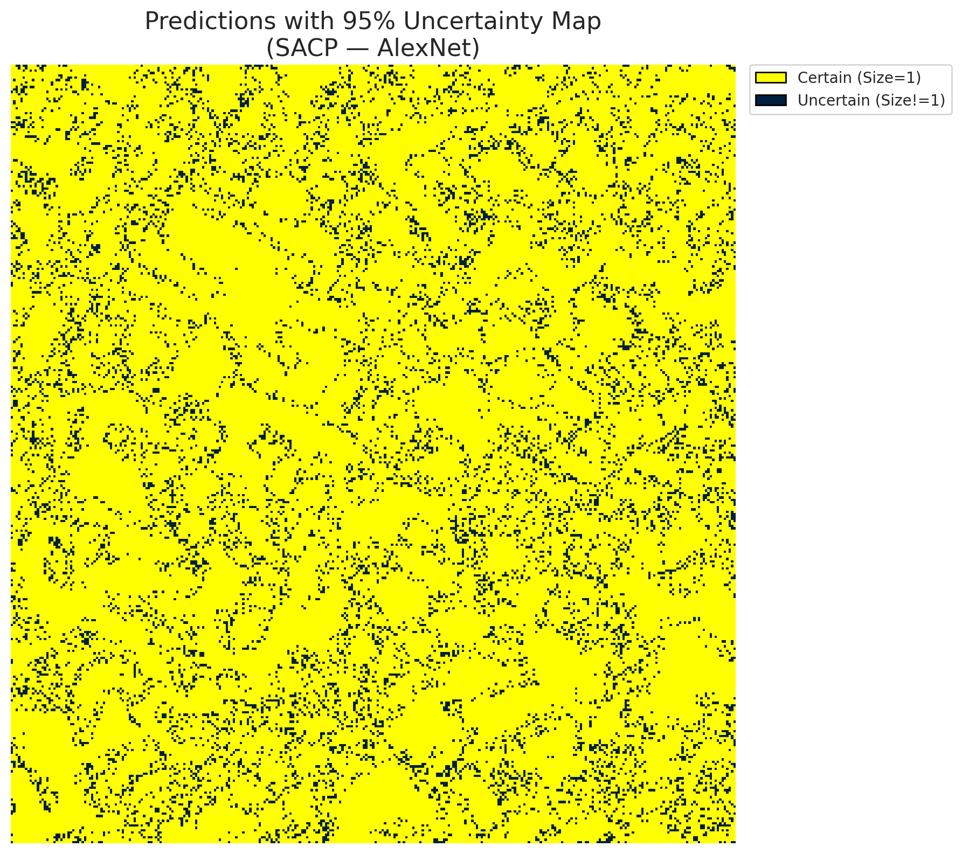
5 | Class 5 | 6552
6 | Class 6 | 1951
7 | Uncertain | 11261

SACP Parameters
q_hat | alpha | lambda | k | avg_set_size_eval
0.77244363527 | 0.05 | 0.5 | 1 | 1

 |  |  |  |  |  |  |  |  | Class Map with Uncertain Mask
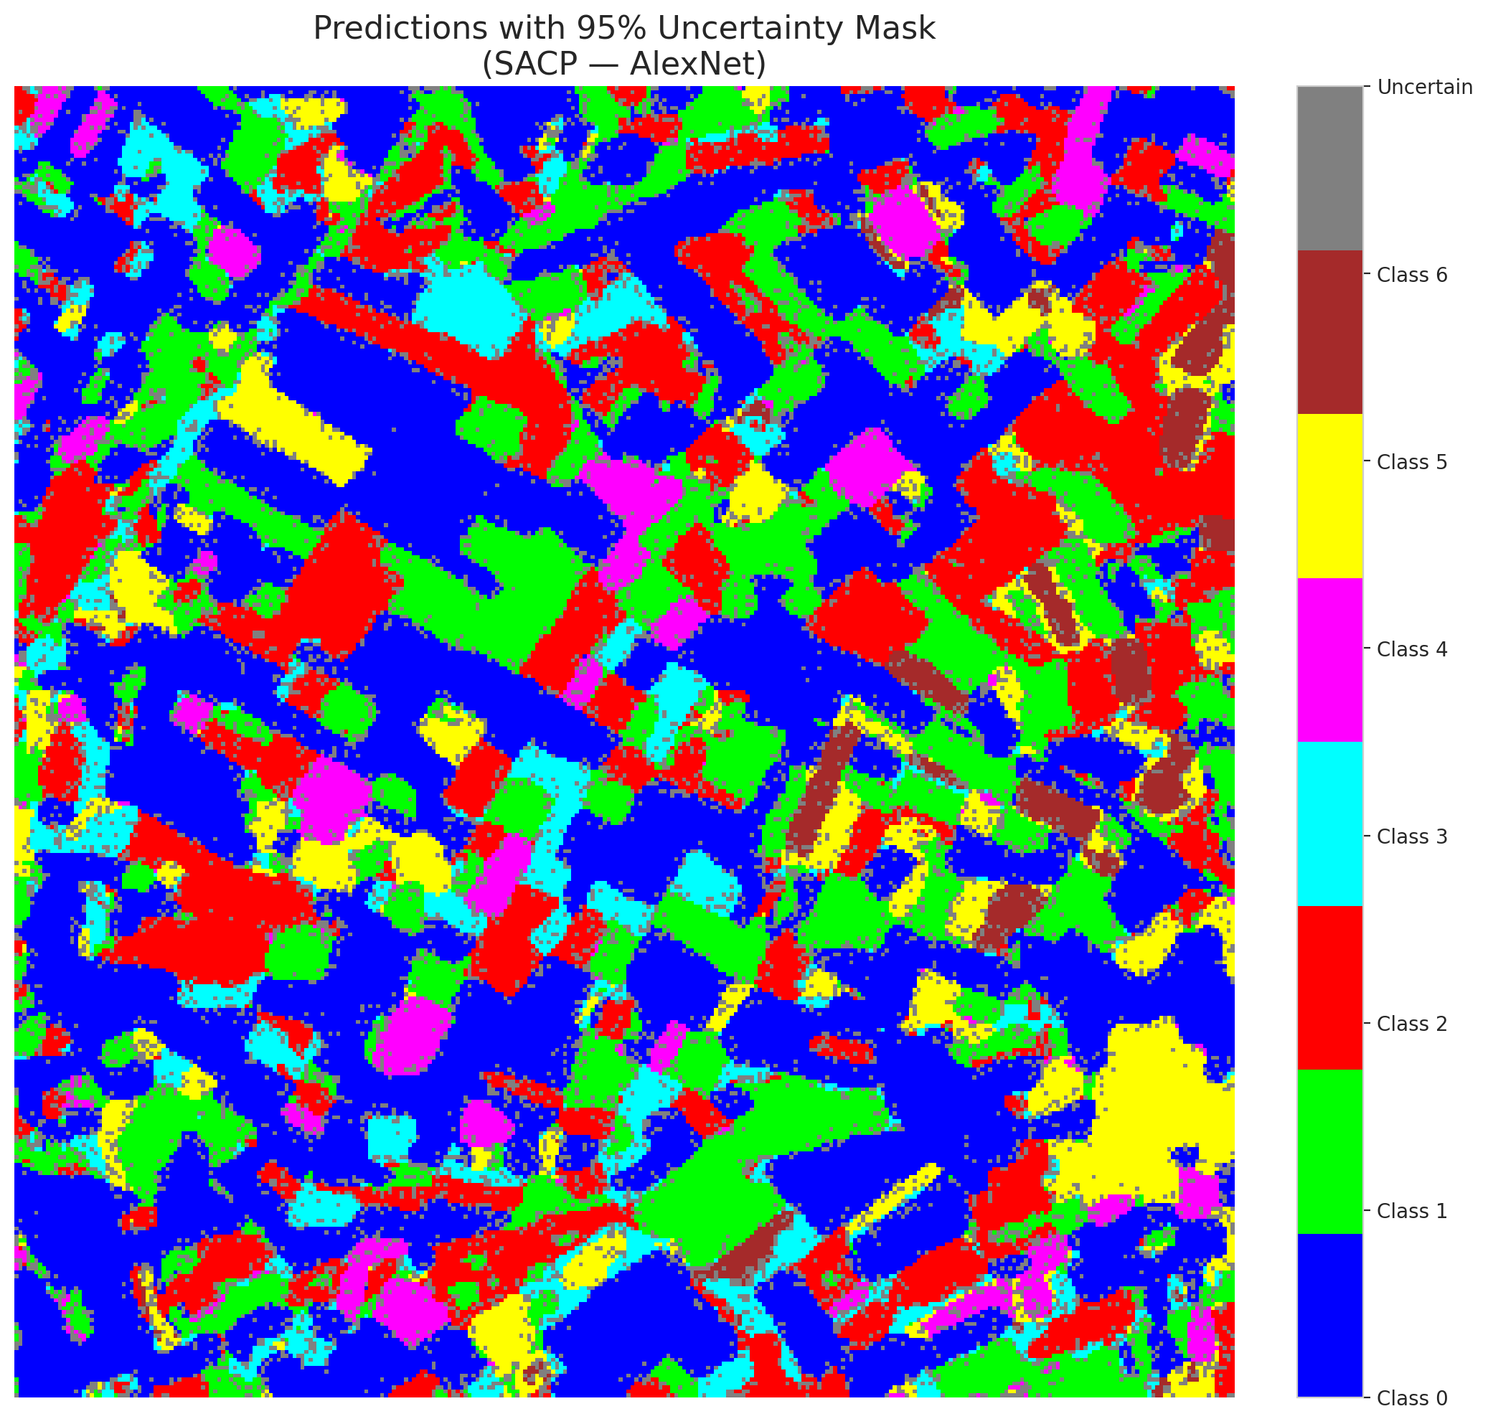

 |  |  |  |  |  |  |  |  | Pixel Counts

SACP_GFNet
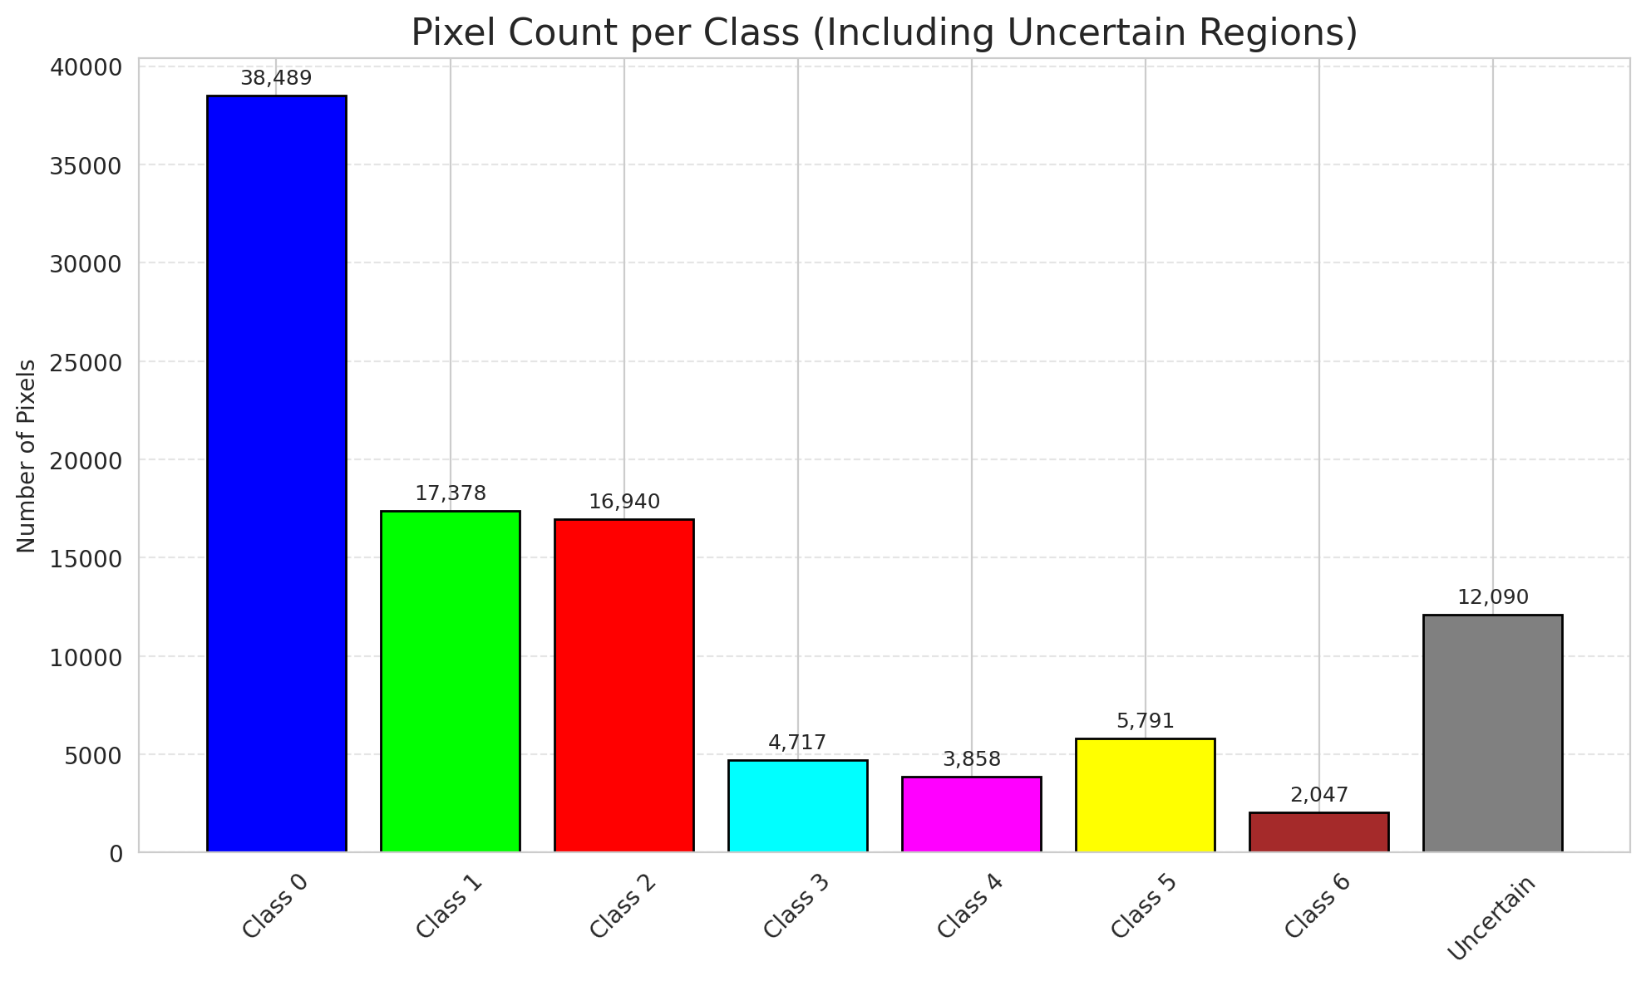
SACP - GFNet |  |  |  |  |  |  |  |  | Per-Class Coverage
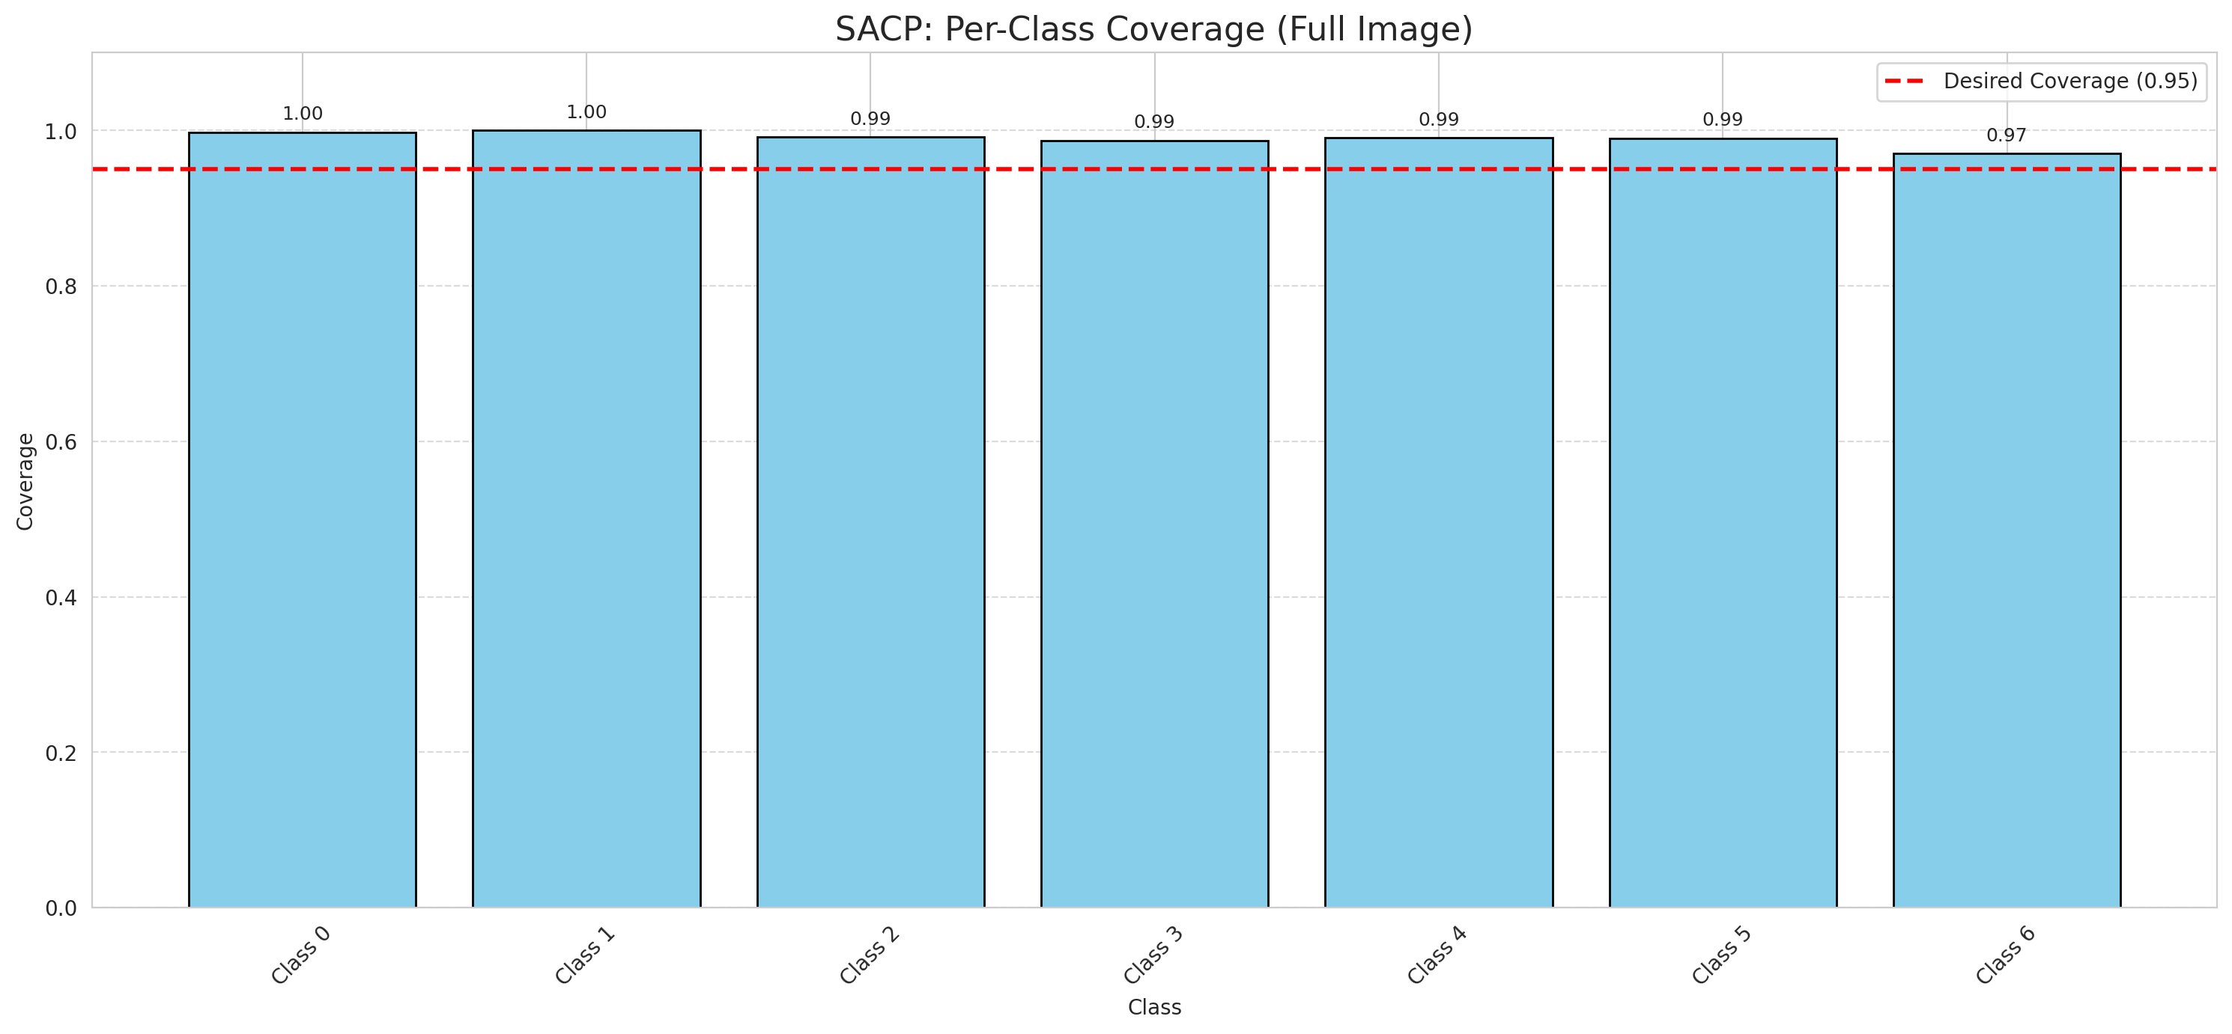
Summary
model_name | method | window_size | target_coverage | empirical_coverage | avg_set_size | median_set_size | singleton_rate | empty_set_rate | runtime_sec | alpha | lambda | k | q_hat | mean_per_class_coverage
GFNet | SACP | 9 | 0.95 | 0.99489559165 | 1 | 1 | 1 | 0 | 56.320903815 | 0.05 | 0.5 | 1 | 0.76682723249 | 0.98966903938

Per-Class Coverage Values
class_id | class_coverage | support_count
0 | 0.99781181619 | 914
1 | 1 | 454
2 | 0.99162011173 | 358
3 | 0.98717948718 | 156
4 | 0.99038461538 | 104
5 | 0.9900990099 | 101
6 | 0.97058823529 | 68

Pixel Counts
class_id | label | pixel_count
0 | Class 0 | 38489
1 | Class 1 | 17378
2 | Class 2 | 16940
3 | Class 3 | 4717
4 | Class 4 | 3858 |  |  |  |  |  |  | Certain vs Uncertain Map
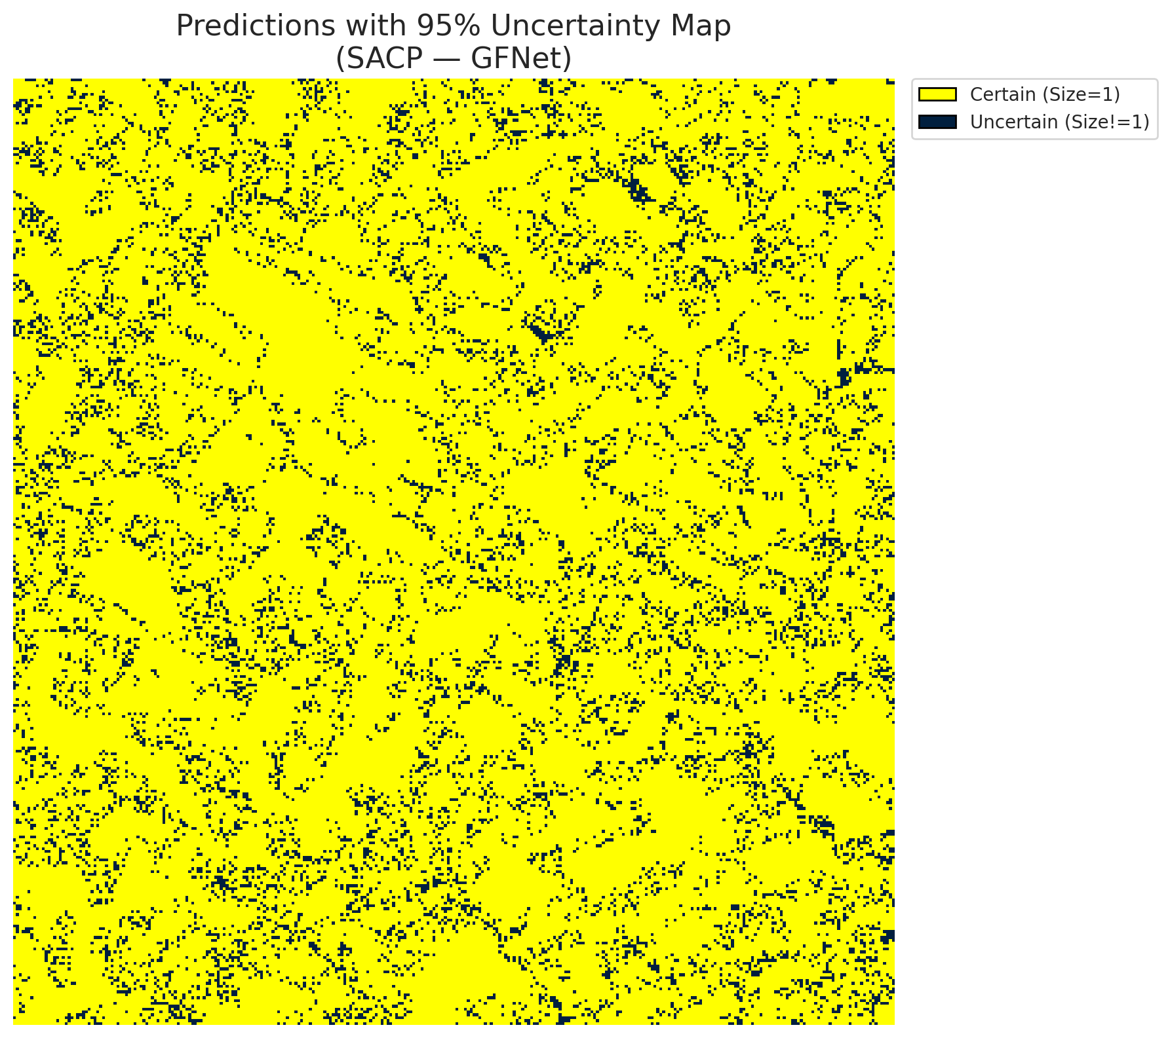
5 | Class 5 | 5791
6 | Class 6 | 2047
7 | Uncertain | 12090

SACP Parameters
q_hat | alpha | lambda | k | avg_set_size_eval
0.76682723249 | 0.05 | 0.5 | 1 | 1

 |  |  |  |  |  |  |  |  | Class Map with Uncertain Mask
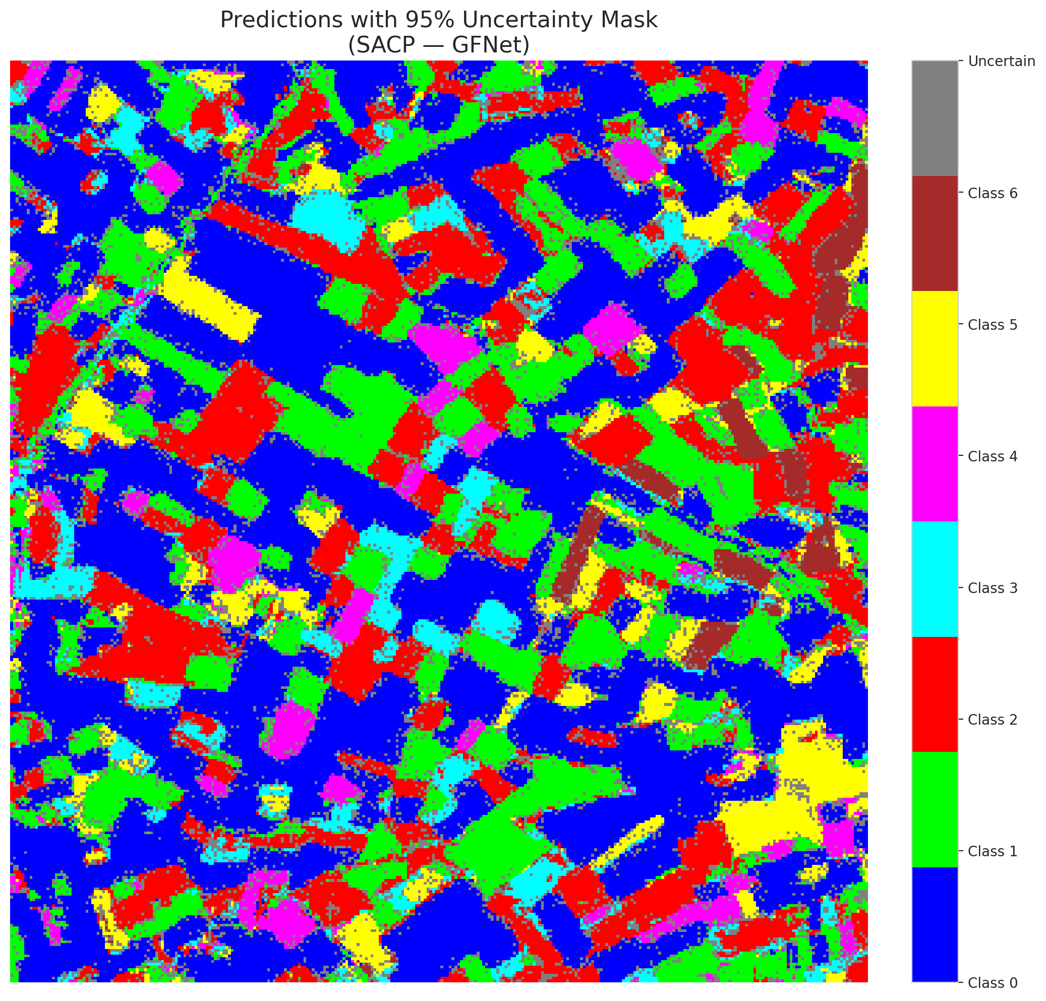

 |  |  |  |  |  |  |  |  | Pixel Counts

SACP_ViT

SACP - ViT |  |  |  |  |  |  |  |  | Per-Class Coverage
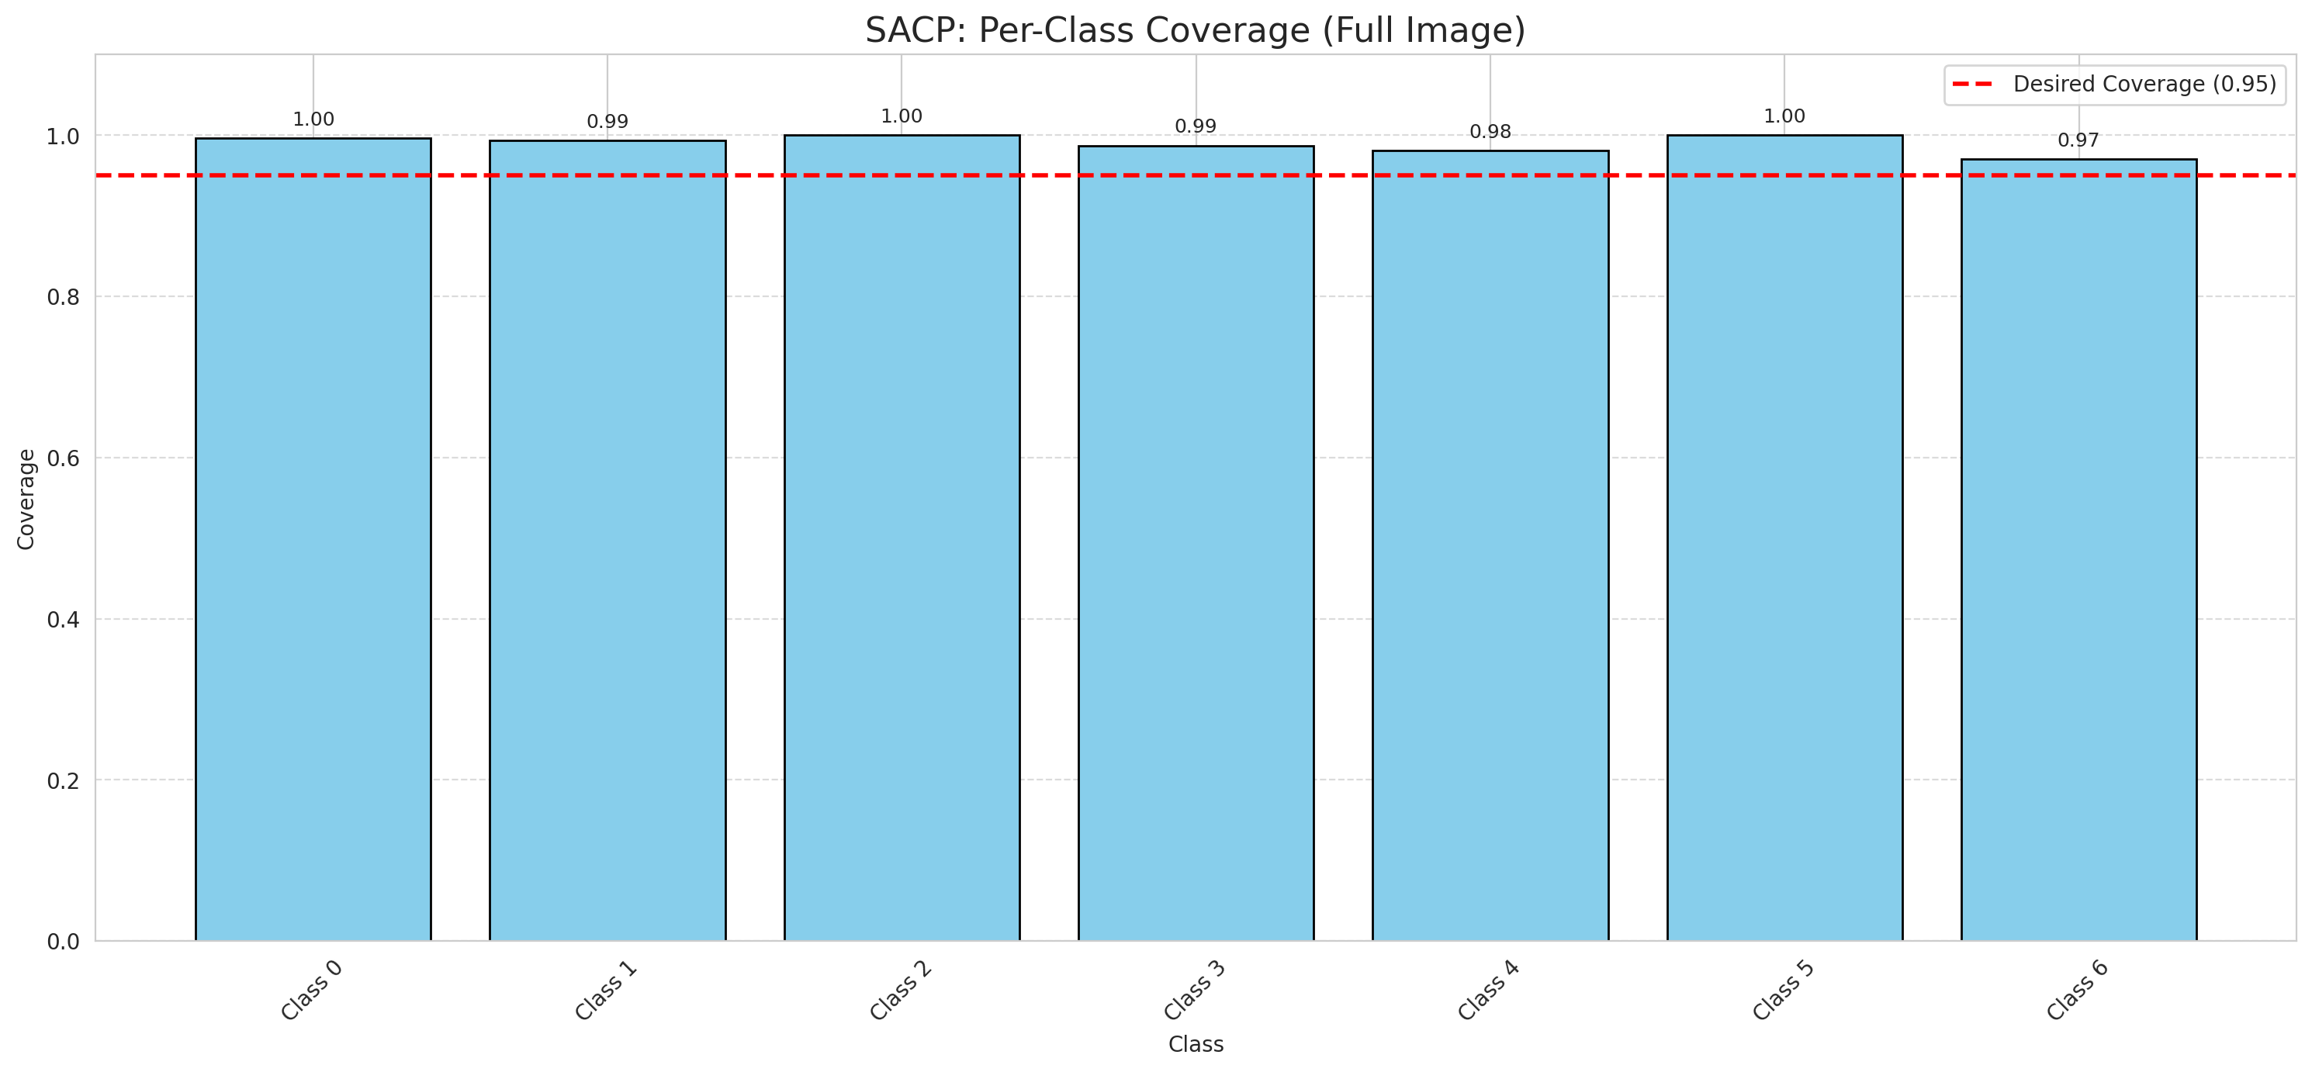
Summary
model_name | method | window_size | target_coverage | empirical_coverage | avg_set_size | median_set_size | singleton_rate | empty_set_rate | runtime_sec | alpha | lambda | k | q_hat | mean_per_class_coverage
ViT | SACP | 9 | 0.95 | 0.99443155452 | 1.003712297 | 1 | 0.99628770302 | 0 | 59.67180076 | 0.05 | 0.5 | 1 | 0.74653330825 | 0.98980667829

Per-Class Coverage Values
class_id | class_coverage | support_count
0 | 0.99671772429 | 914
1 | 0.99339207048 | 454
2 | 1 | 358
3 | 0.98717948718 | 156
4 | 0.98076923077 | 104
5 | 1 | 101
6 | 0.97058823529 | 68

Pixel Counts
class_id | label | pixel_count
0 | Class 0 | 39098
1 | Class 1 | 15911
2 | Class 2 | 16375
3 | Class 3 | 6297
4 | Class 4 | 3460 |  |  |  |  |  |  | Certain vs Uncertain Map

5 | Class 5 | 5413
6 | Class 6 | 2298
7 | Uncertain | 12458

SACP Parameters
q_hat | alpha | lambda | k | avg_set_size_eval
0.74653330825 | 0.05 | 0.5 | 1 | 1.003712297

 |  |  |  |  |  |  |  |  | Class Map with Uncertain Mask
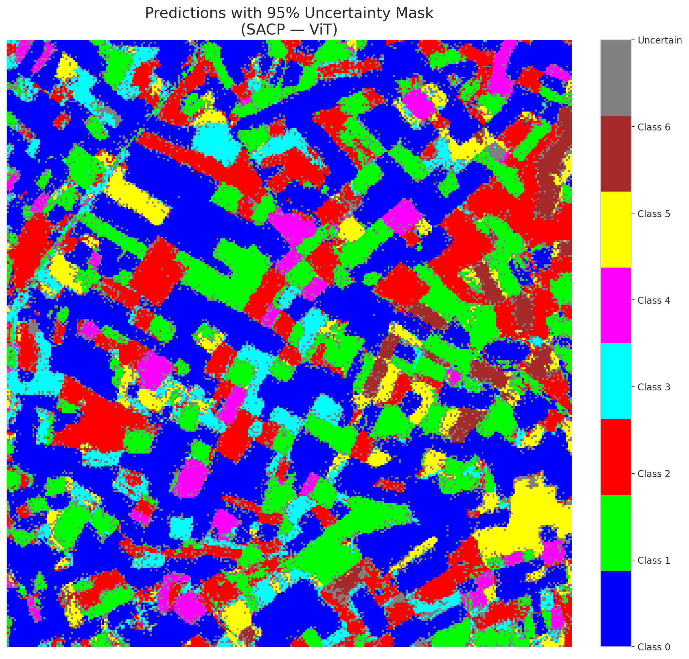

 |  |  |  |  |  |  |  |  | Pixel Counts

