Split_SpatialGCN
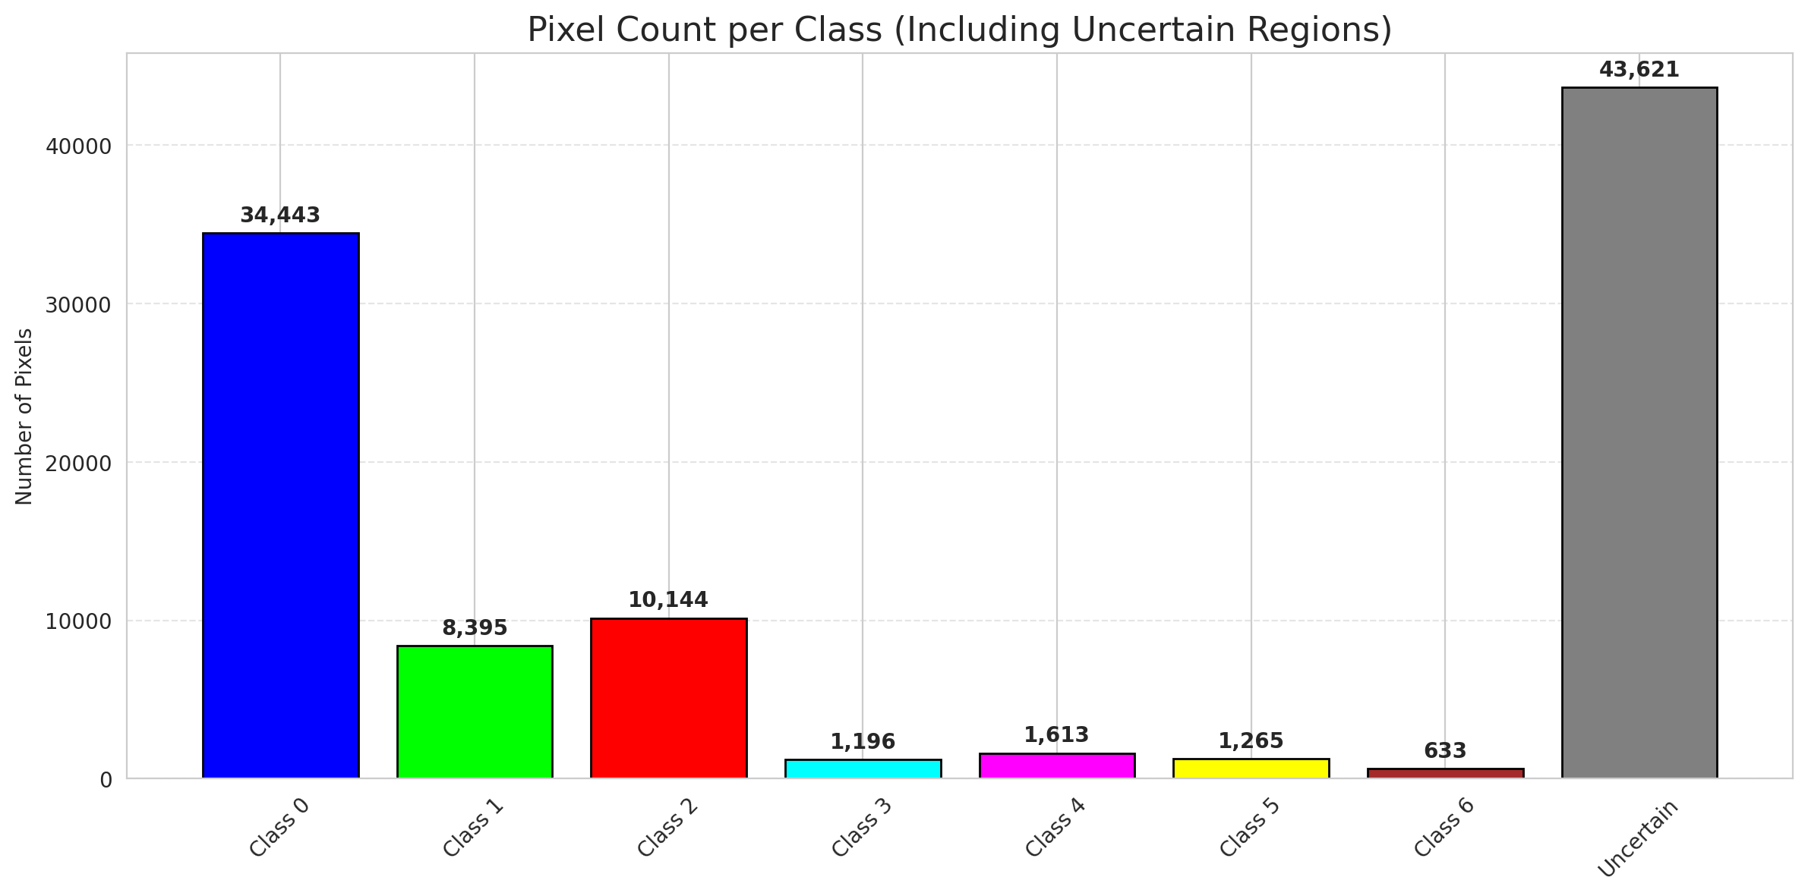
SplitConformal - SpatialGCN |  |  |  |  |  |  |  |  | Per-Class Coverage
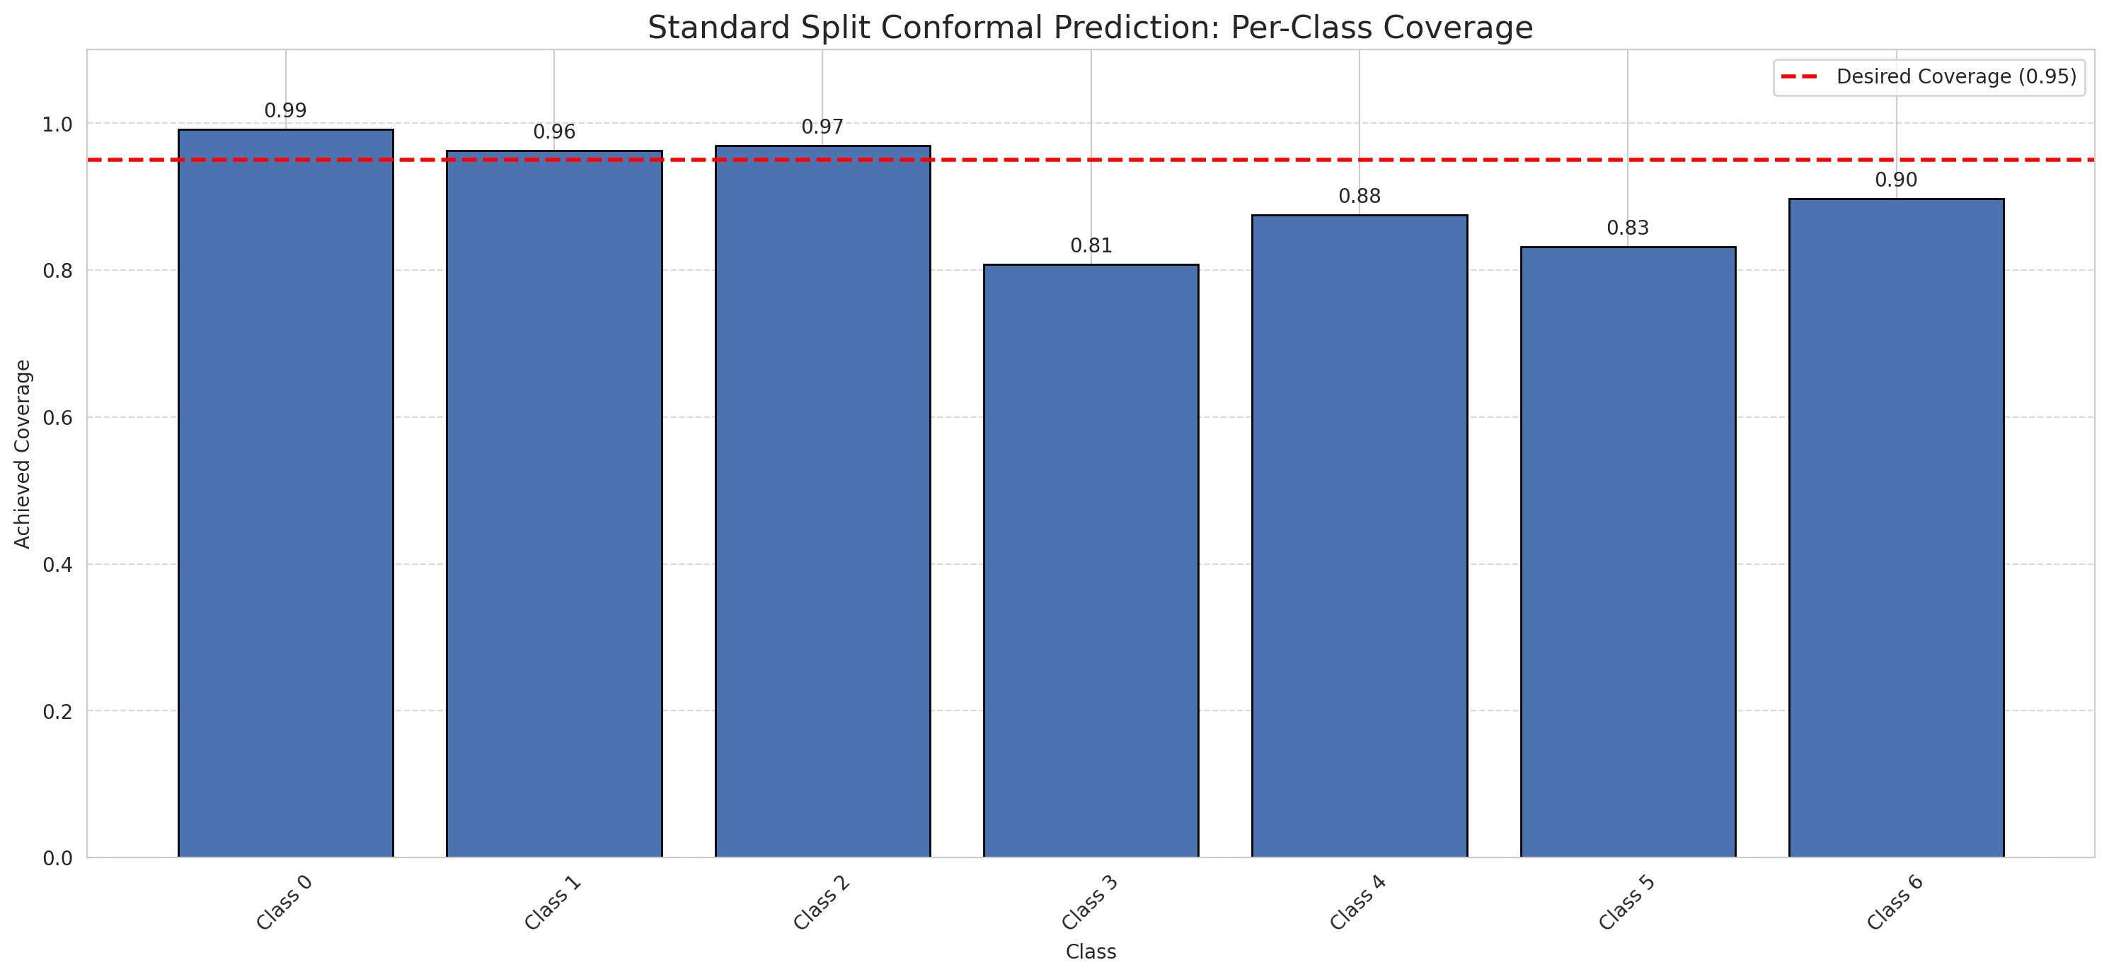
Summary
model_name | method | target_coverage | empirical_coverage | avg_set_size | median_set_size | singleton_rate | empty_set_rate | runtime_sec | alpha | lam | n_clusters | mean_per_class_coverage
SpatialGCN | SplitConformal | 0.95 | 0.95220417633 | 1.4584686775 | 1 | 0.61902552204 | 0 | 1.33204384 | 0.05 |  |  | 0.90493005334

Per-Class Coverage Values
class_id | class_coverage | support_count
0 | 0.99124726477 | 914
1 | 0.96255506608 | 454
2 | 0.96927374302 | 358
3 | 0.80769230769 | 156
4 | 0.875 | 104
5 | 0.83168316832 | 101
6 | 0.89705882353 | 68

Pixel Counts
class_id | label | pixel_count
0 | Class 0 | 34443
1 | Class 1 | 8395
2 | Class 2 | 10144
3 | Class 3 | 1196
4 | Class 4 | 1613 |  |  |  |  |  |  | Certain vs Uncertain Map
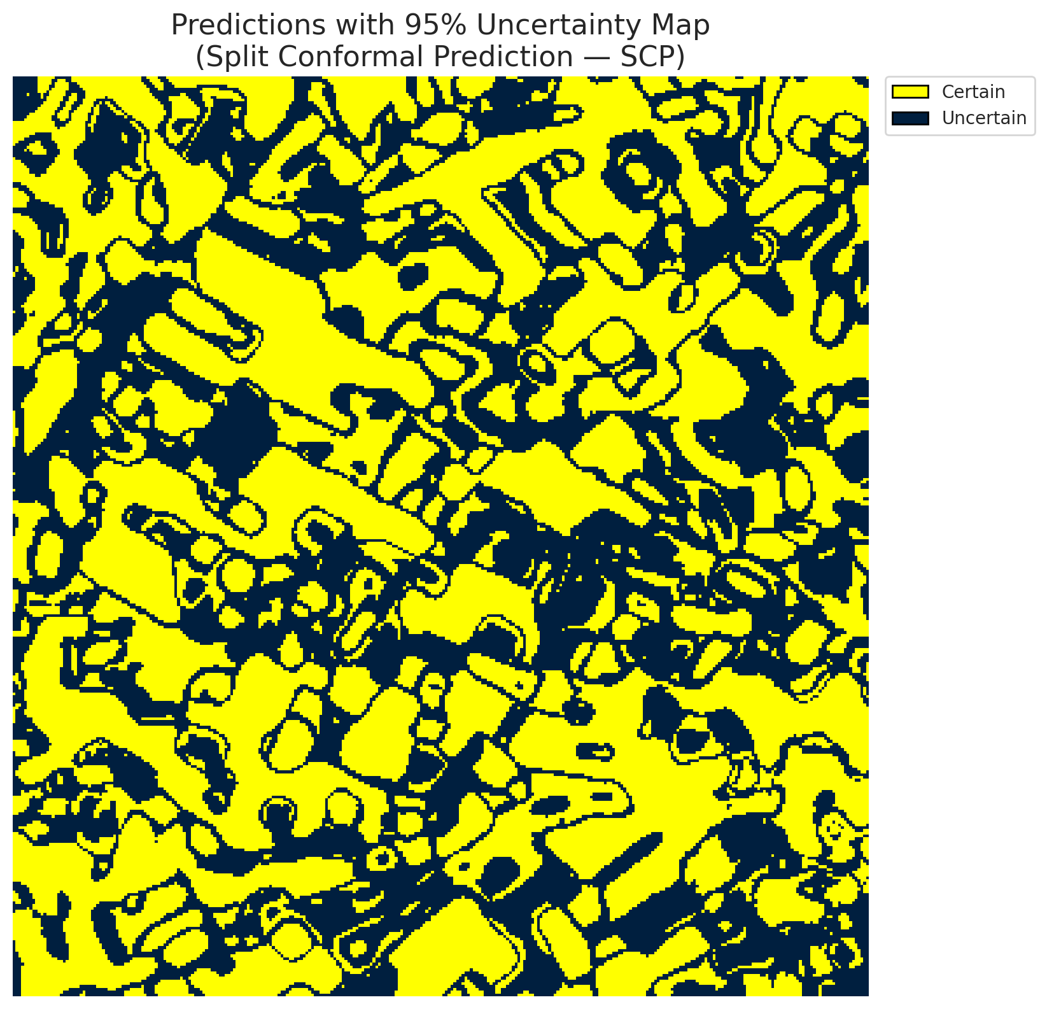
5 | Class 5 | 1265
6 | Class 6 | 633
7 | Uncertain | 43621

Threshold
q_hat_split
0.86234359664

 |  |  |  |  |  |  |  |  | Class Map with Uncertain Mask
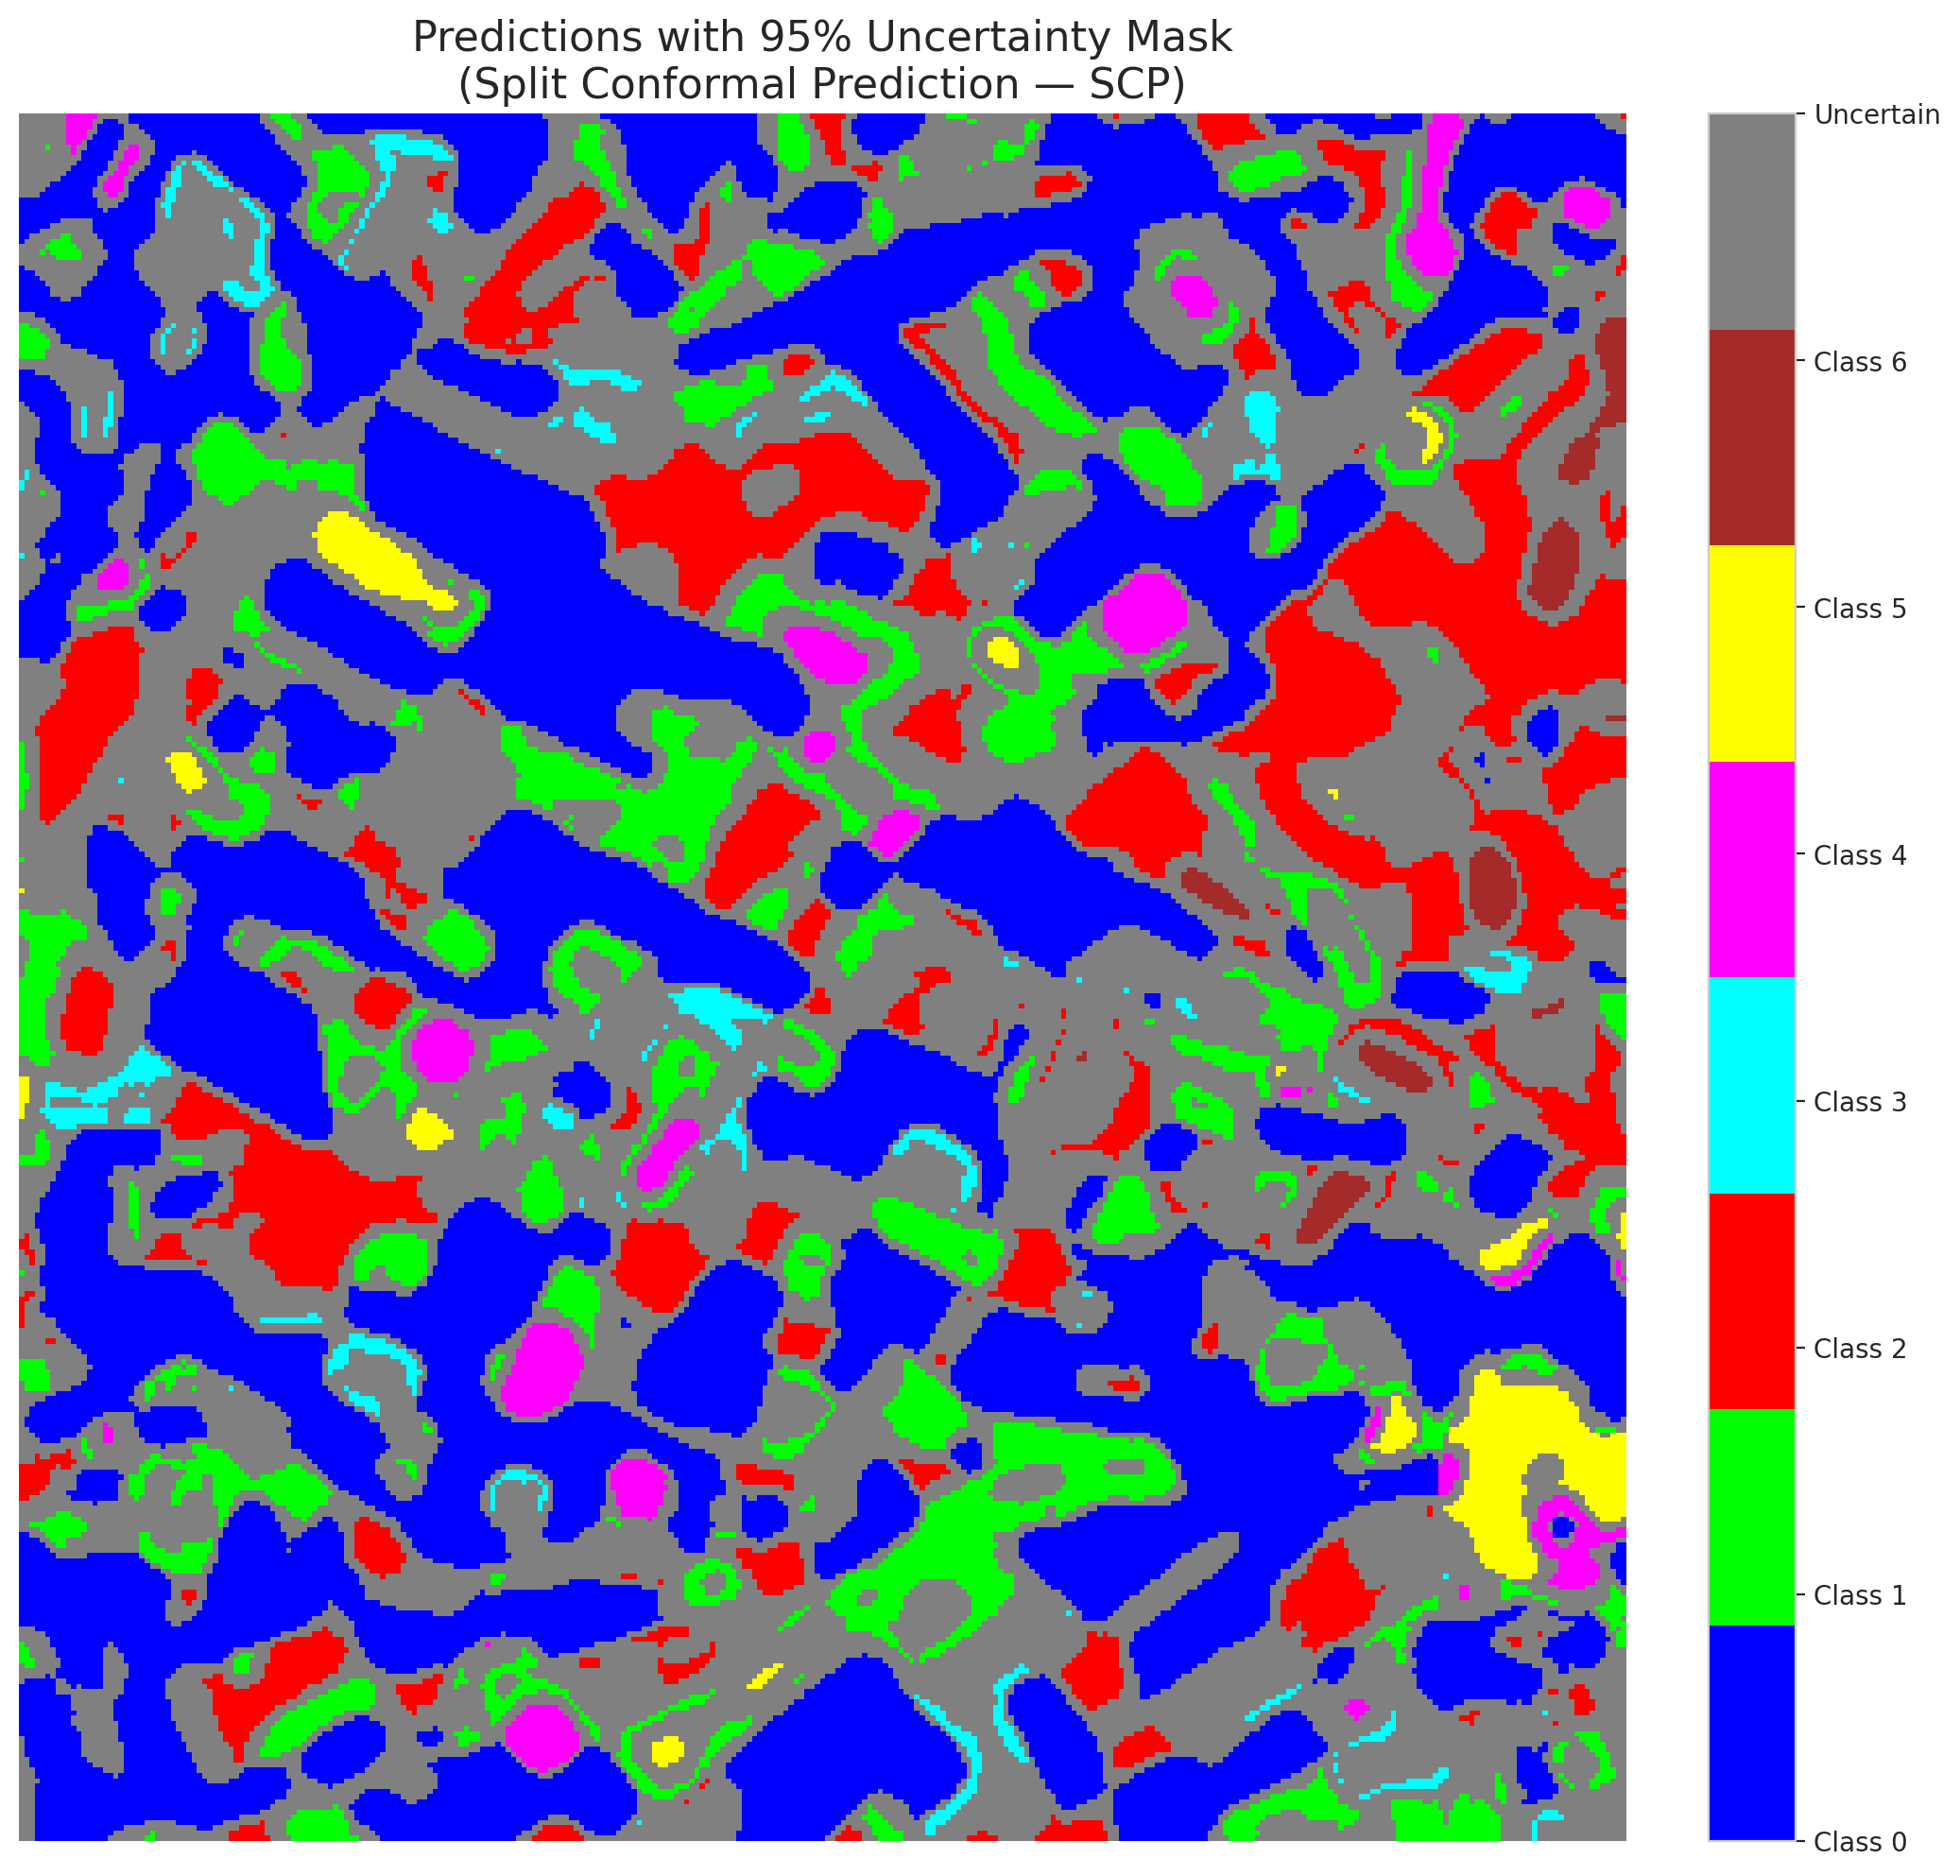

 |  |  |  |  |  |  |  |  | Pixel Counts

ClassCond_SpatialGCN
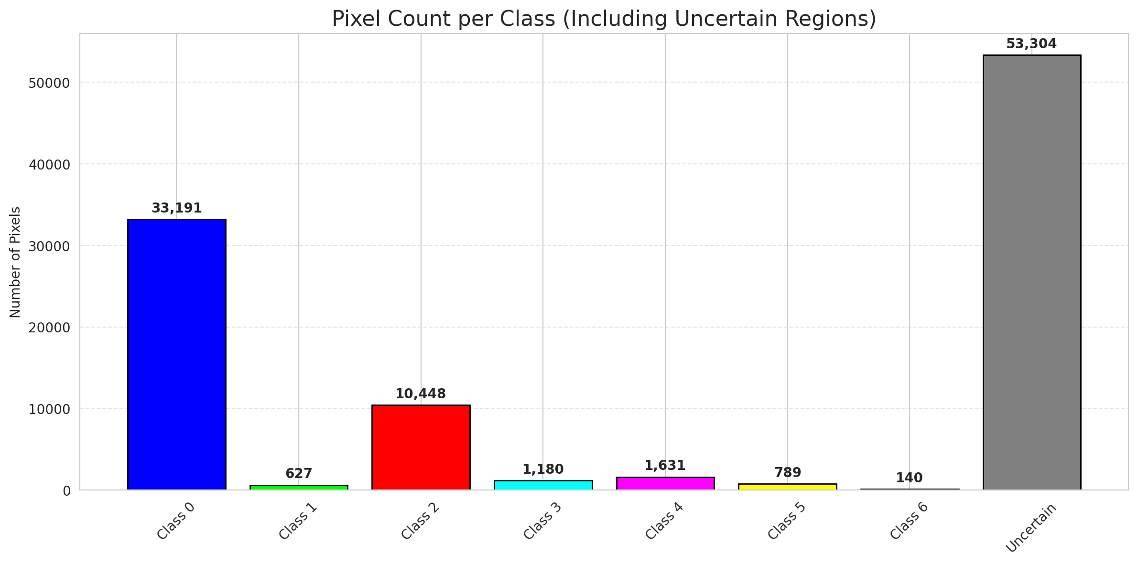
ClassConditionalConformal - SpatialGCN |  |  |  |  |  |  |  |  | Per-Class Coverage
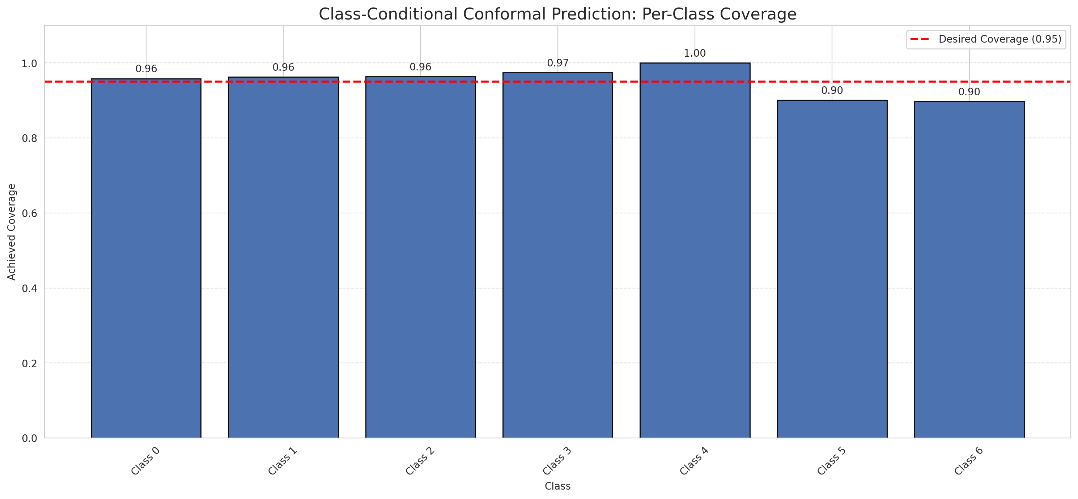
Summary
model_name | method | target_coverage | empirical_coverage | avg_set_size | median_set_size | singleton_rate | empty_set_rate | runtime_sec | alpha | lam | n_clusters | mean_per_class_coverage
SpatialGCN | ClassConditionalConformal | 0.95 | 0.95870069606 | 1.7777262181 | 1 | 0.51090487239 | 0 | 1.217364742 | 0.05 |  |  | 0.95101066021

Per-Class Coverage Values
class_id | class_coverage | support_count
0 | 0.95842450766 | 914
1 | 0.96255506608 | 454
2 | 0.96368715084 | 358
3 | 0.97435897436 | 156
4 | 1 | 104
5 | 0.90099009901 | 101
6 | 0.89705882353 | 68

Pixel Counts
class_id | label | pixel_count
0 | Class 0 | 33191
1 | Class 1 | 627
2 | Class 2 | 10448
3 | Class 3 | 1180
4 | Class 4 | 1631 |  |  |  |  |  |  | Certain vs Uncertain Map
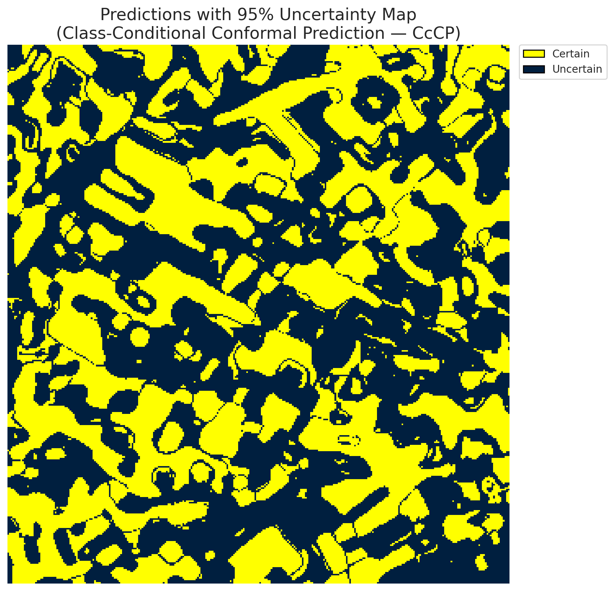
5 | Class 5 | 789
6 | Class 6 | 140
7 | Uncertain | 53304

Classwise q_hat
class_id | q_hat_classconditional
0 | 0.50571314779
1 | 0.86508654769
2 | 0.83631451729
3 | 0.93915441406
4 | 0.97199255203
5 | 0.94916654091
6 | 0.93653538634

 |  |  |  |  |  |  |  |  | Class Map with Uncertain Mask
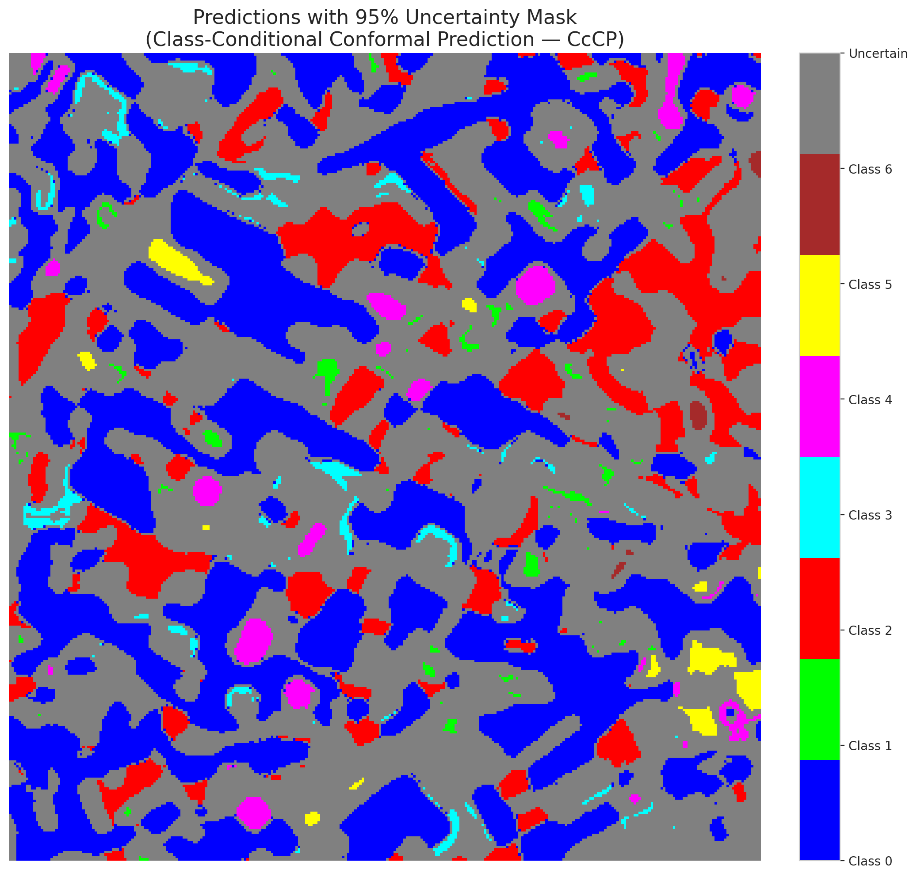

 |  |  |  |  |  |  |  |  | Pixel Counts

RC3P_SpatialGCN
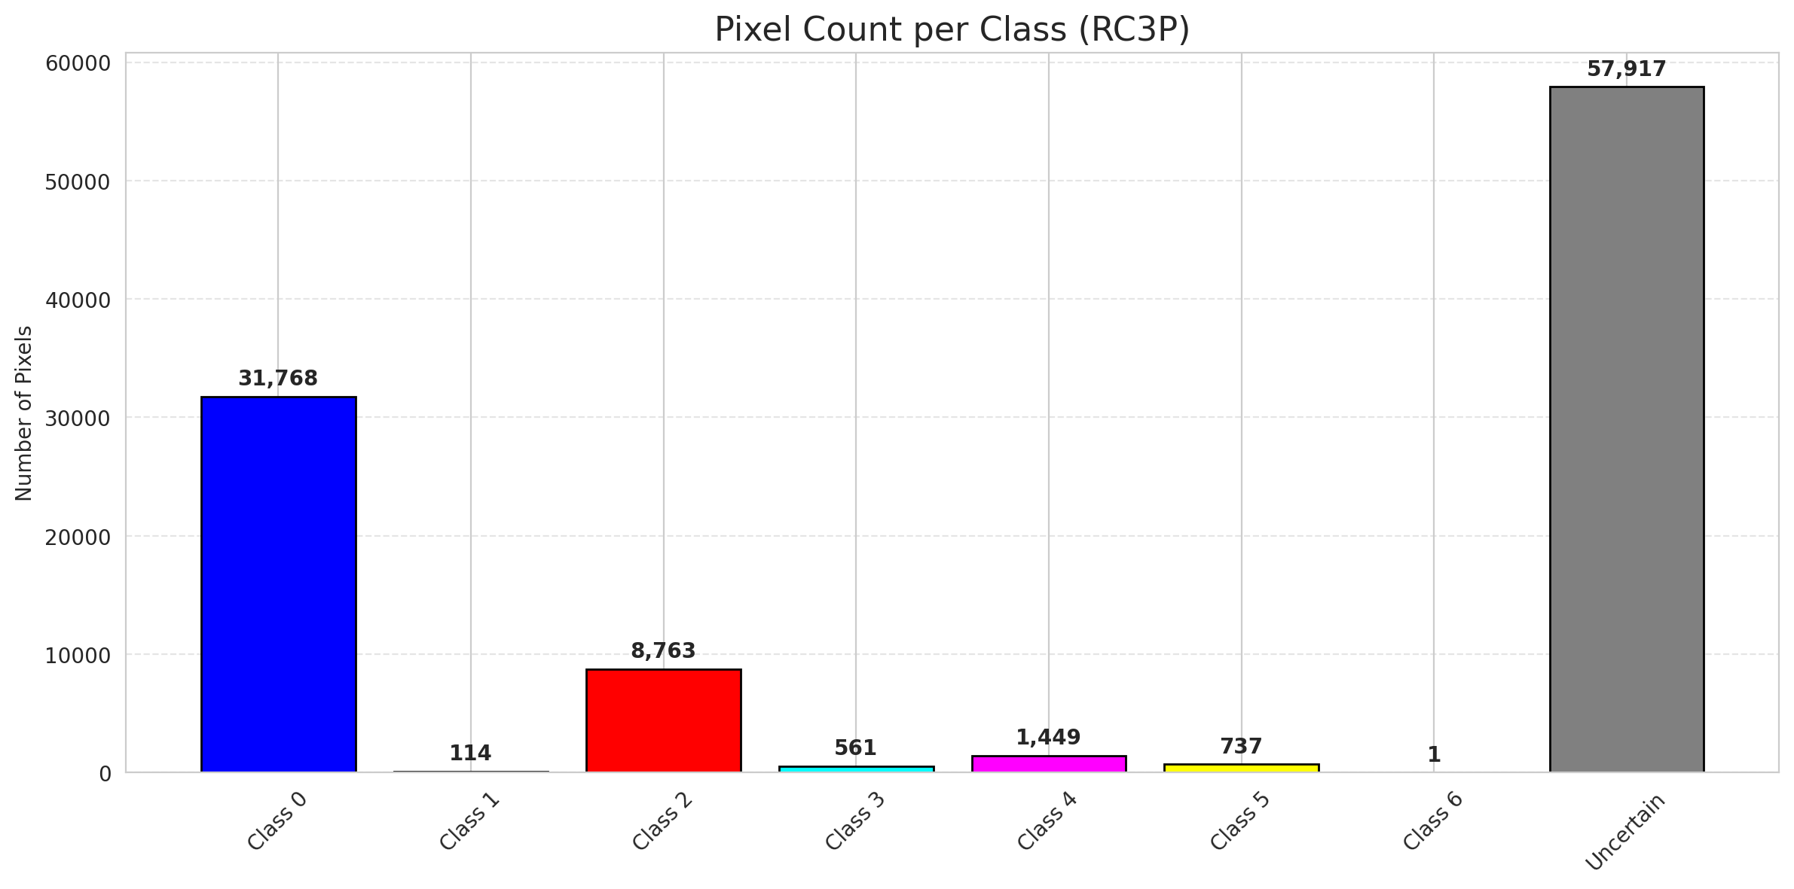
RC3P - SpatialGCN |  |  |  |  |  |  |  |  | Per-Class Coverage
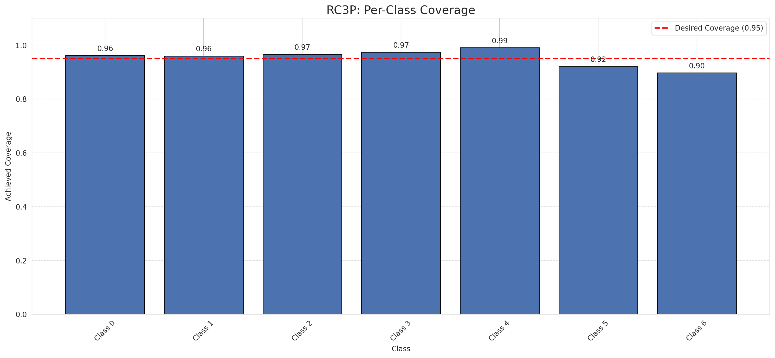
Summary
model_name | method | target_coverage | empirical_coverage | avg_set_size | median_set_size | singleton_rate | empty_set_rate | runtime_sec | alpha | lam | n_clusters | mean_per_class_coverage
SpatialGCN | RC3P | 0.95 | 0.96055684455 | 1.8296983759 | 2 | 0.47424593968 | 0 | 1.537342009 | 0.05 |  |  | 0.95301916367

Per-Class Coverage Values
class_id | class_coverage | support_count
0 | 0.96170678337 | 914
1 | 0.96035242291 | 454
2 | 0.96648044693 | 358
3 | 0.97435897436 | 156
4 | 0.99038461538 | 104
5 | 0.92079207921 | 101
6 | 0.89705882353 | 68

Pixel Counts
class_id | label | pixel_count
0 | Class 0 | 31768
1 | Class 1 | 114
2 | Class 2 | 8763
3 | Class 3 | 561
4 | Class 4 | 1449 |  |  |  |  |  |  | Certain vs Uncertain Map
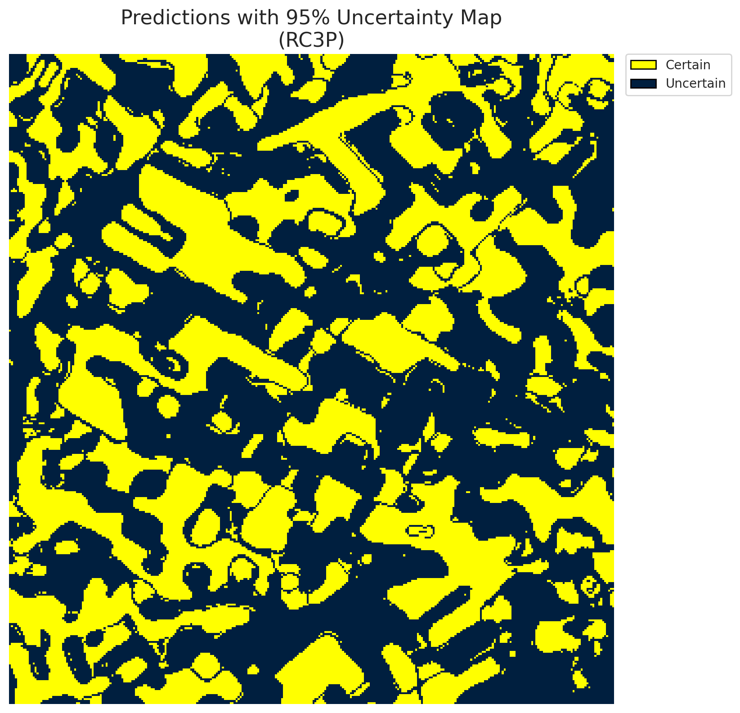
5 | Class 5 | 737
6 | Class 6 | 1
7 | Uncertain | 57917

RC3P Thresholds & Limits
class_id | q_hat_rc3p | suit_index_limit
0 | 0.56490257828 | 1
1 | 0.89598020215 | 2
2 | 0.87489270303 | 2
3 | 0.93927790231 | 4
4 | 0.97296649171 | 4
5 | 0.97781438393 | 4
6 | 0.93653538634 | 3

 |  |  |  |  |  |  |  |  | Class Map with Uncertain Mask
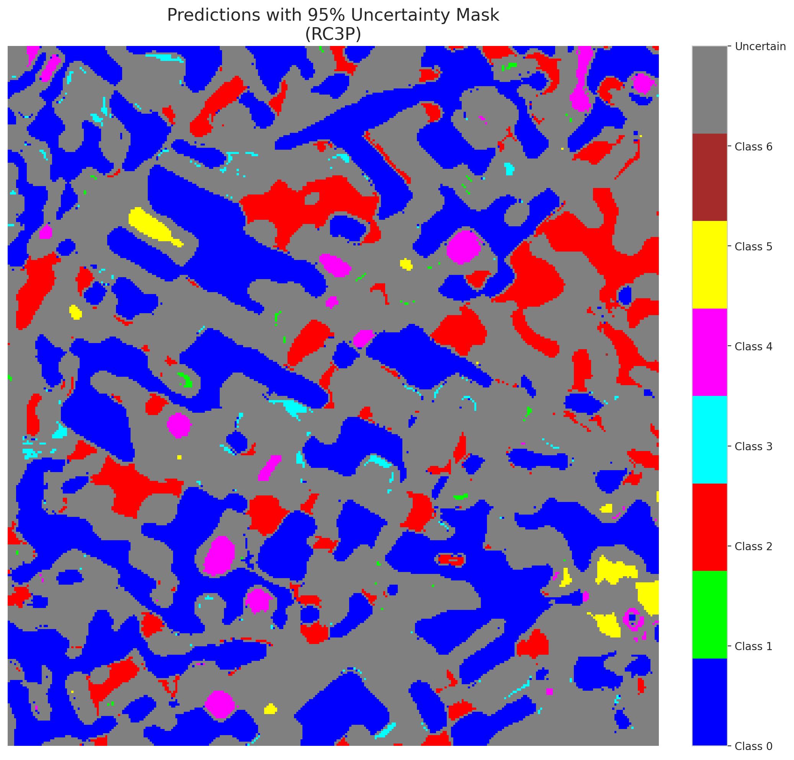

 |  |  |  |  |  |  |  |  | Pixel Counts

Clustered_SpatialGCN
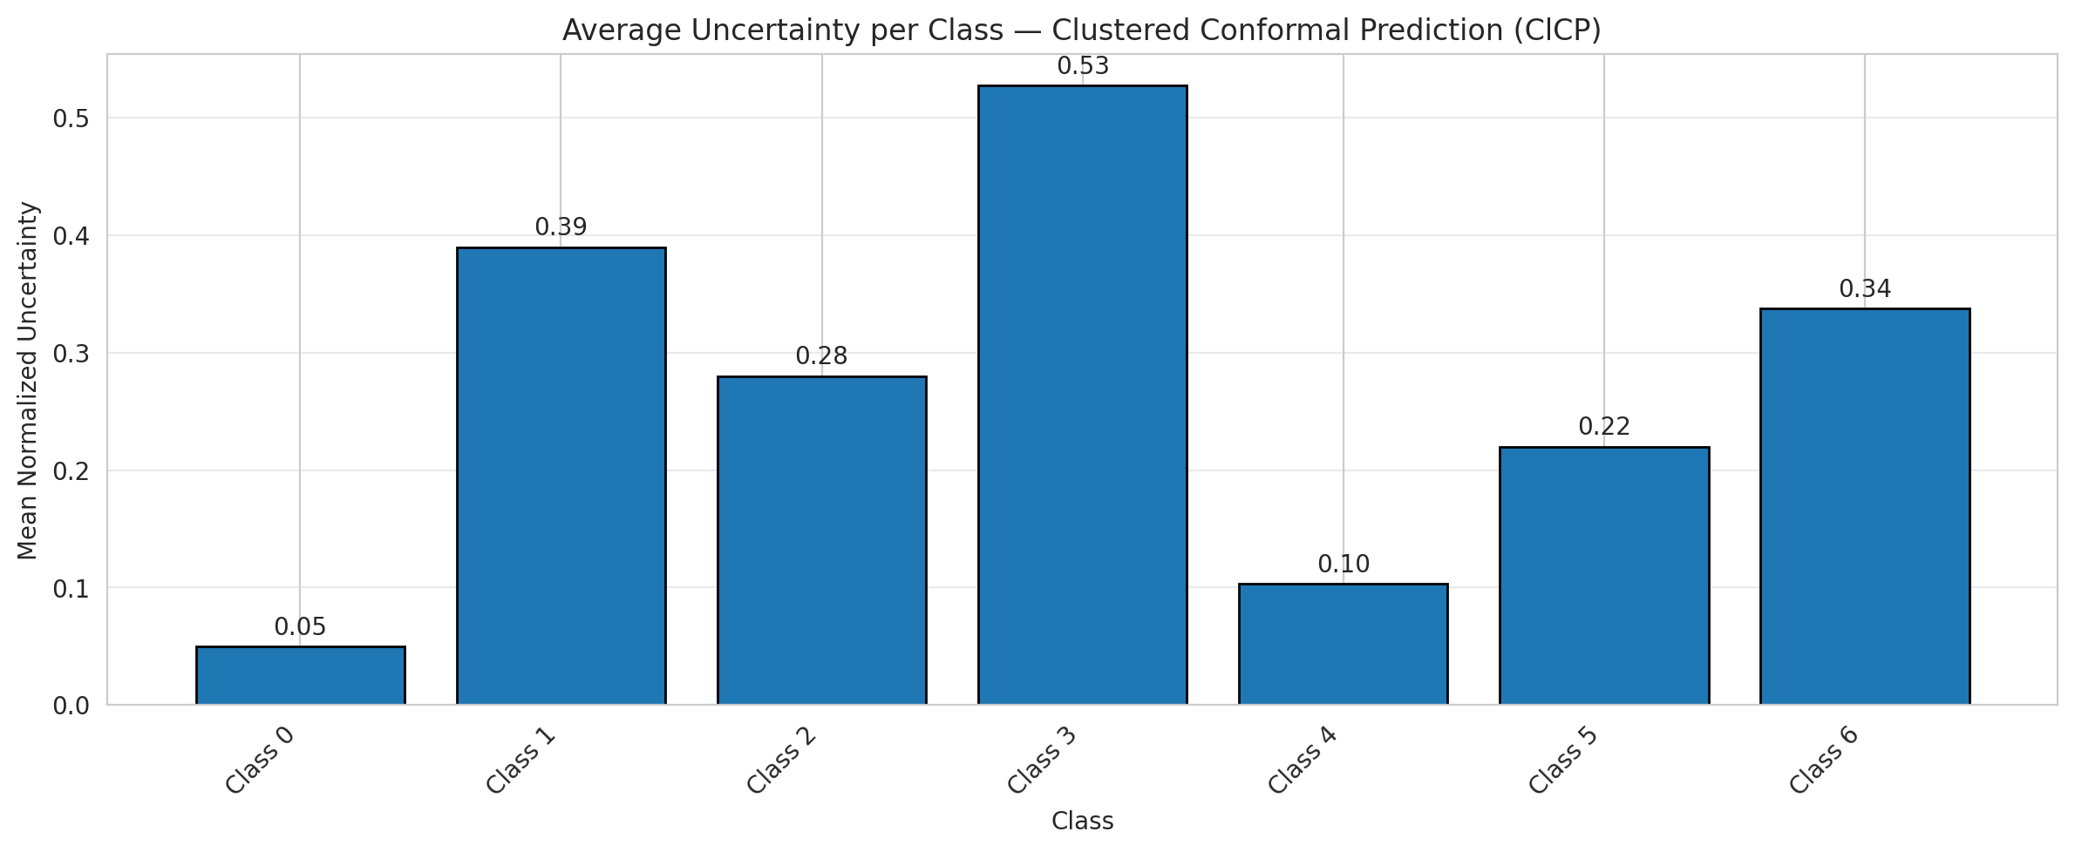
ClusteredConformal - SpatialGCN |  |  |  |  |  |  |  |  | Per-Class Coverage
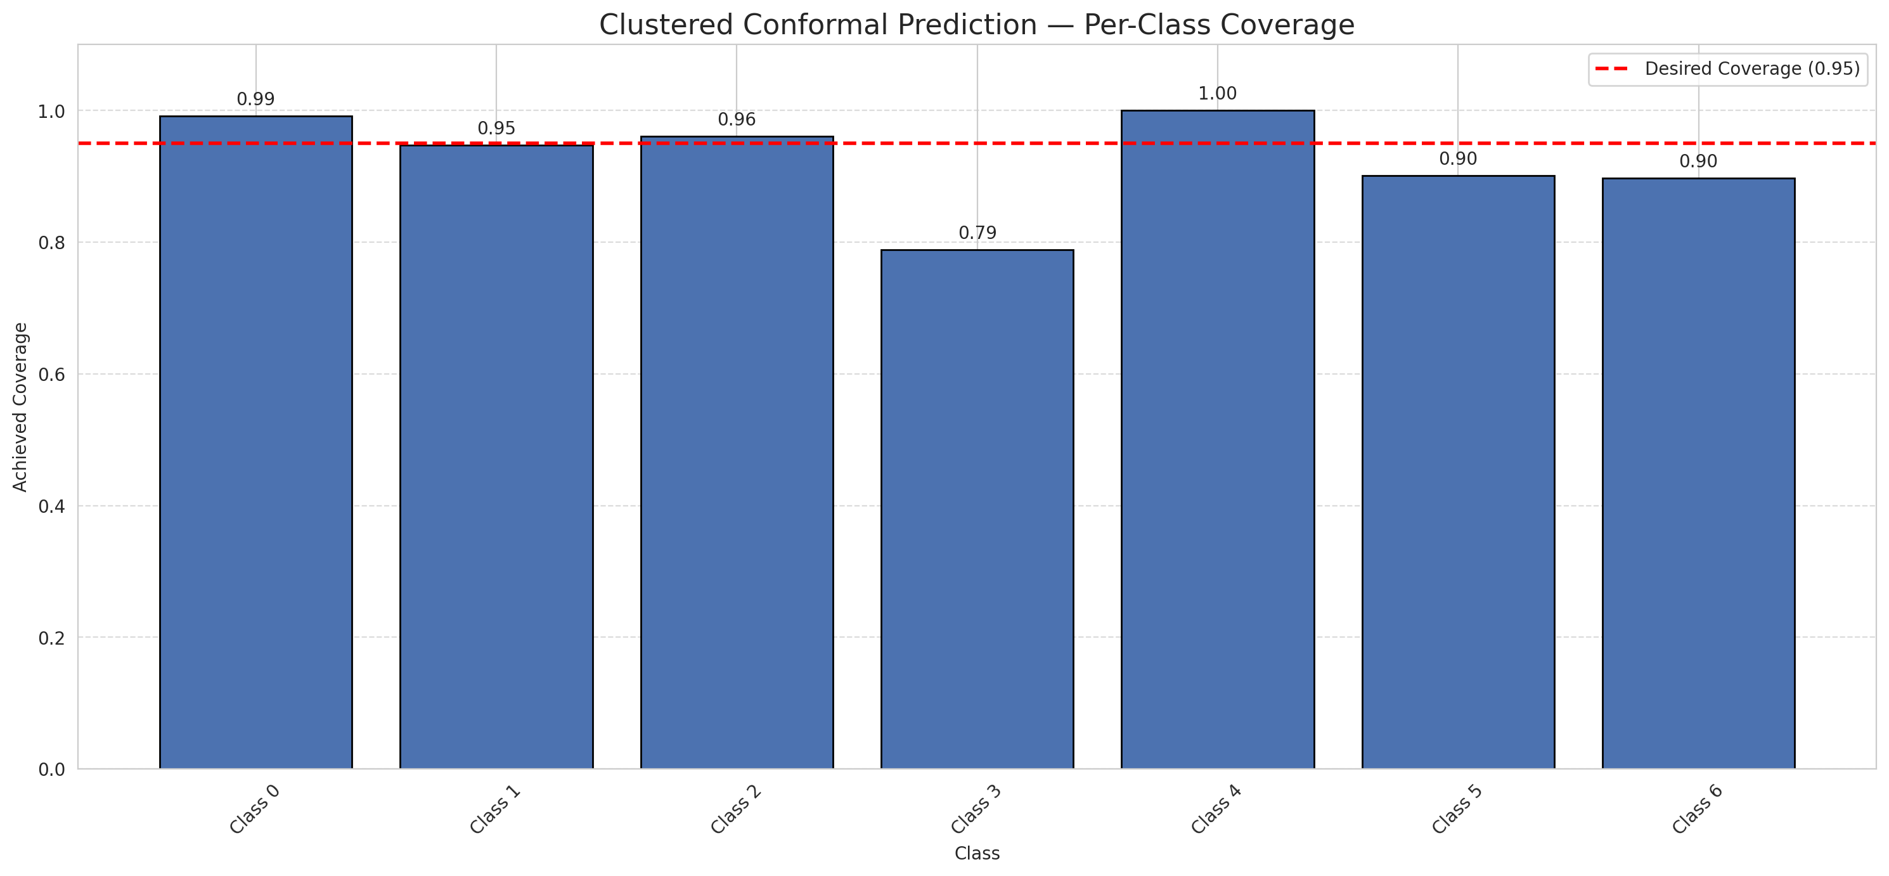
Summary
model_name | method | target_coverage | empirical_coverage | avg_set_size | median_set_size | singleton_rate | empty_set_rate | runtime_sec | alpha | lam | n_clusters | mean_per_class_coverage
SpatialGCN | ClusteredConformal | 0.95 | 0.95545243619 | 1.6505800464 | 1 | 0.54385150812 | 0 | 1.681150191 | 0.05 |  | 4 | 0.92654116349

Per-Class Coverage Values
class_id | class_coverage | support_count
0 | 0.99124726477 | 914
1 | 0.94713656388 | 454
2 | 0.96089385475 | 358
3 | 0.78846153846 | 156
4 | 1 | 104
5 | 0.90099009901 | 101
6 | 0.89705882353 | 68

Class-to-Cluster Assignment
class_id | cluster_id
0 | 0
1 | 0
2 | 0
3 | 0
4 | 2 |  |  |  |  |  |  |  | Uncertainty Distribution
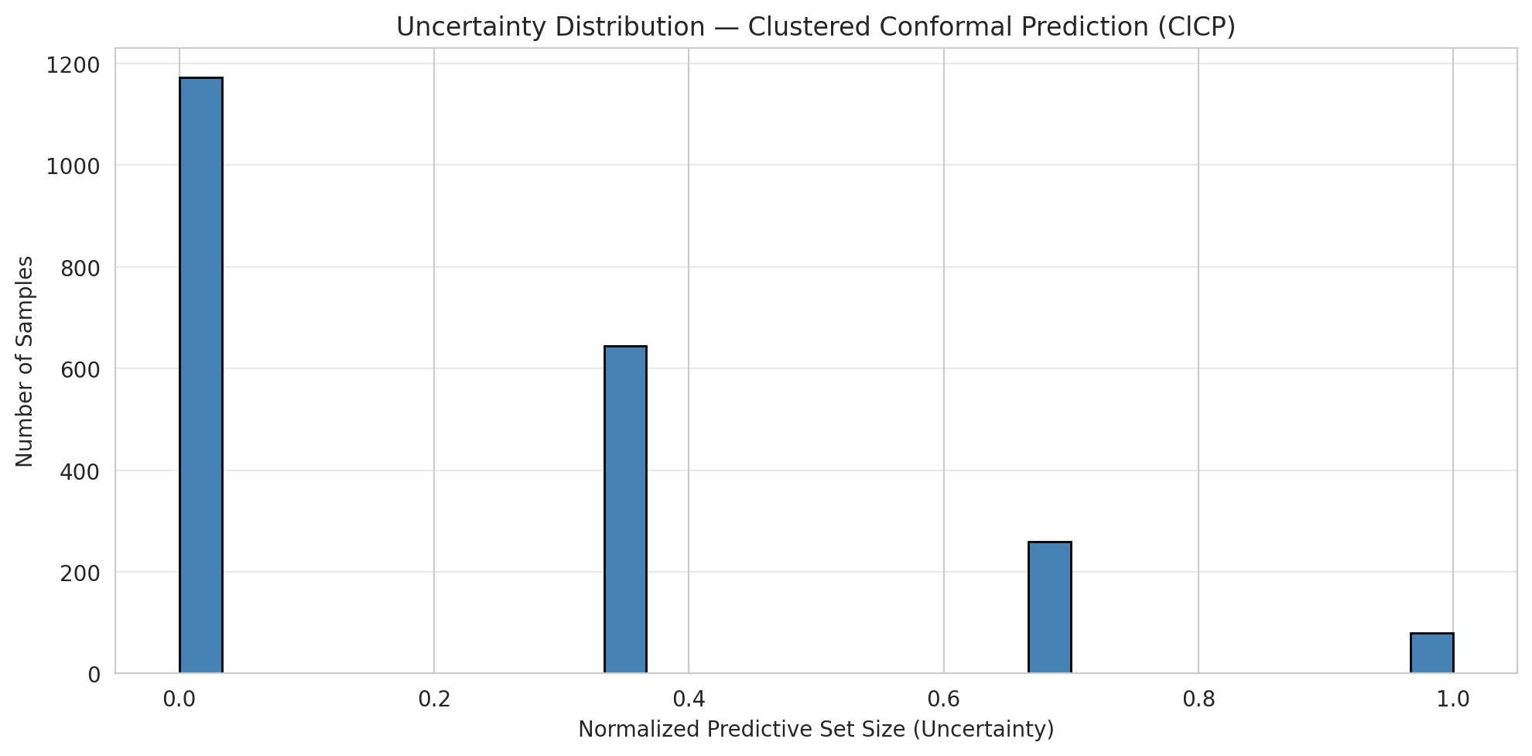
5 | 3
6 | 1

Cluster q_hat
cluster_id | q_hat_cluster
0 | 0.82332202809
1 | 0.93653538634
2 | 0.97199255203
3 | 0.94916654091

Cluster Mean Uncertainty
cluster | uncertainty
0 | 0.21686334873
1 | 0.33777777778
2 | 0.10288065844
3 | 0.22

Class Mean Uncertainty
class_id | uncertainty
0 | 0.049501424501
1 | 0.38993710692 |  |  |  |  |  |  |  | Avg Uncertainty per Cluster
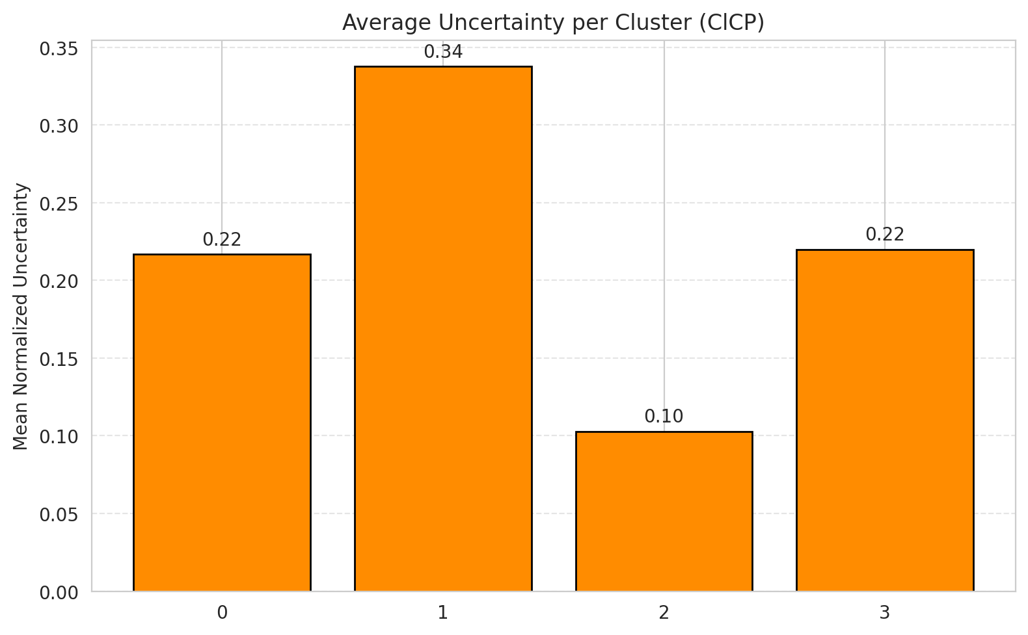
2 | 0.28003875969
3 | 0.52757793765
4 | 0.10288065844
5 | 0.22
6 | 0.33777777778

 |  |  |  |  |  |  |  |  | Avg Uncertainty per Class

RAPS_SpatialGCN
RAPS - SpatialGCN |  |  |  |  |  |  |  |  | Per-Class Coverage
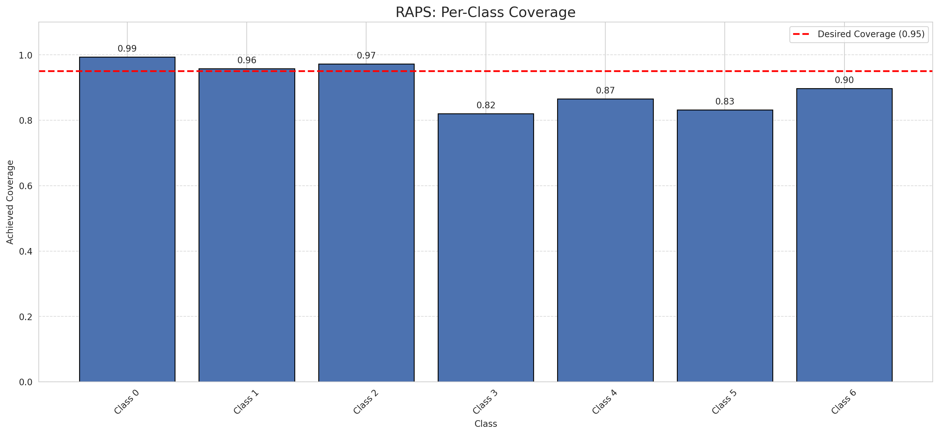
Summary
model_name | method | target_coverage | empirical_coverage | avg_set_size | median_set_size | singleton_rate | empty_set_rate | runtime_sec | alpha | lam | n_clusters | mean_per_class_coverage
SpatialGCN | RAPS | 0.95 | 0.95313225058 | 1.4788863109 | 1 | 0.61160092807 | 0 | 0.318860568 | 0.05 | 0.01 |  | 0.90547024217

Per-Class Coverage Values
class_id | class_coverage | support_count
0 | 0.99343544858 | 914
1 | 0.95814977974 | 454
2 | 0.97206703911 | 358
3 | 0.82051282051 | 156
4 | 0.86538461538 | 104
5 | 0.83168316832 | 101
6 | 0.89705882353 | 68

RAPS Parameters
q_hat_raps | lambda | k_reg
0.76434439554 | 0.01 | 1

Compare_Clustered
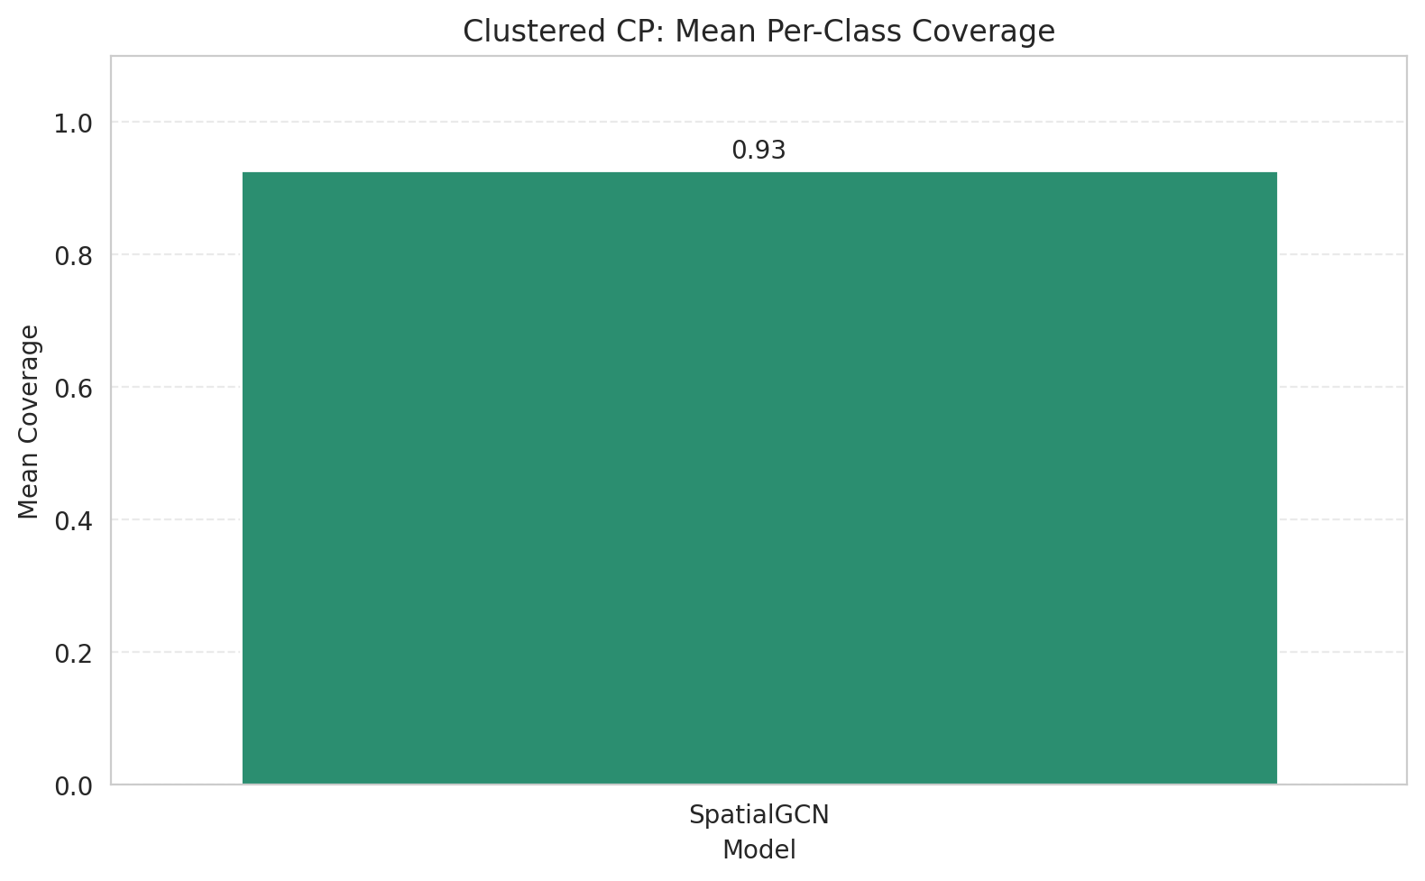
Clustered CP: 3-Model Comparison

model_name | method | target_coverage | empirical_coverage | avg_set_size | median_set_size | singleton_rate | empty_set_rate | model_name | mean_per_class_coverage | lam | n_clusters | mean_per_class_coverage
SpatialGCN | ClusteredConformal | 0.95 | 0.95545243619 | 1.6505800464 | 1 | 0.54385150812 | 0 | SpatialGCN | 0.92654116349 |  | 4 | 0.92654116349

Grouped Metrics Comparison

Mean Per-Class Coverage Comparison

Compare_RAPS
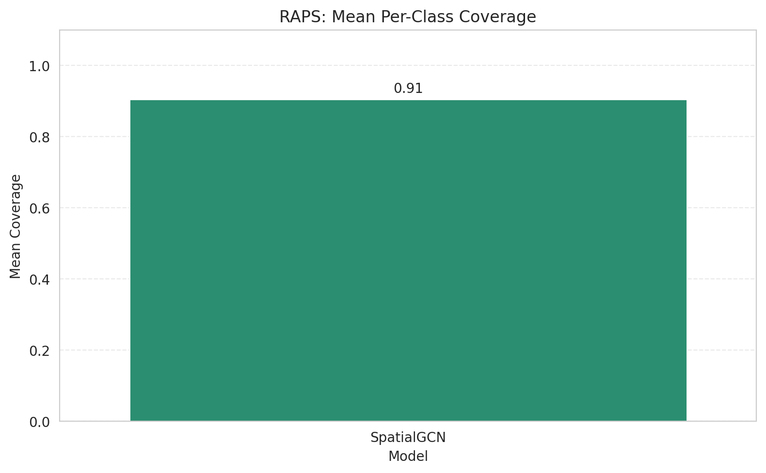
RAPS: 3-Model Comparison

model_name | method | target_coverage | empirical_coverage | avg_set_size | median_set_size | singleton_rate | empty_set_rate | model_name | mean_per_class_coverage | lam | n_clusters | mean_per_class_coverage
SpatialGCN | RAPS | 0.95 | 0.95313225058 | 1.4788863109 | 1 | 0.61160092807 | 0 | SpatialGCN | 0.90547024217 | 0.01 |  | 0.90547024217

Grouped Metrics Comparison

Mean Per-Class Coverage Comparison

