NEXCP_PGBM_Plot_NexCP-Split
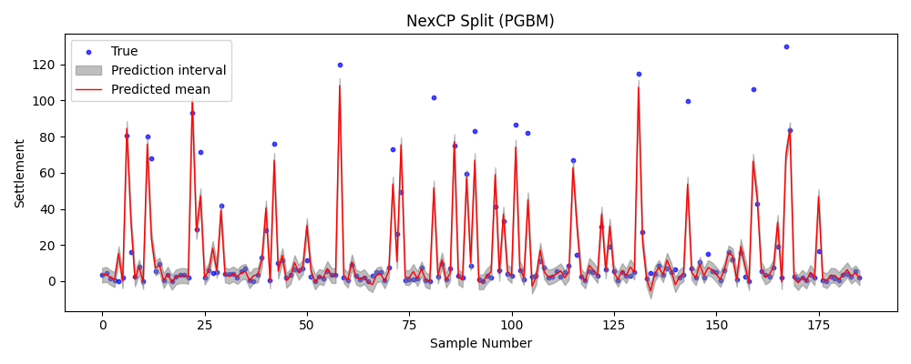

NEXCP_PGBM_Plot_NexCP-Full
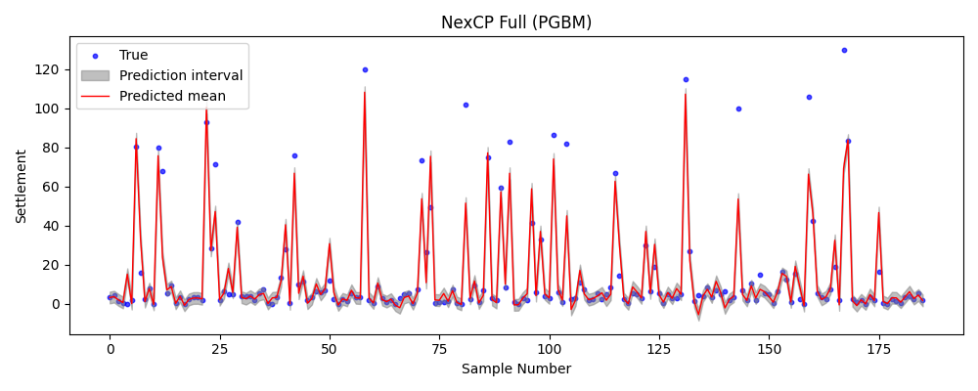

NEXCP_PGBM_Plot_NexCP-J+aB
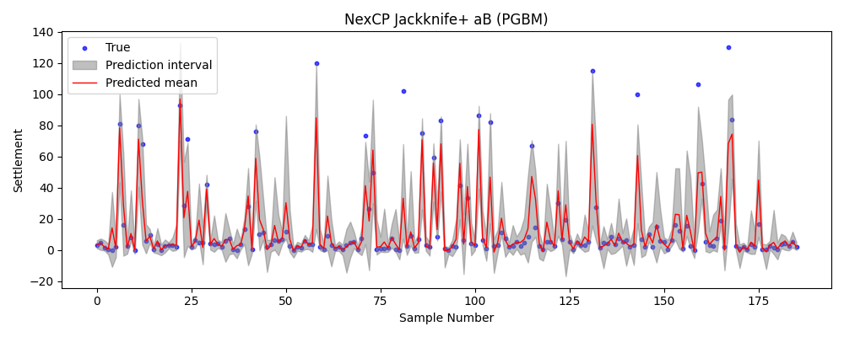

NEXCP_PGBM_Plot_NexCP-CV+
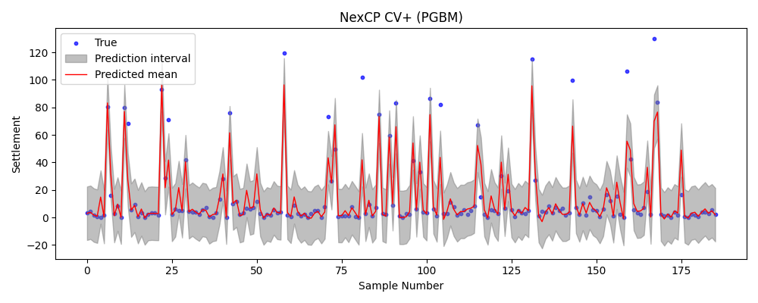

ONLINECP_PGBM_Plot_Online-Split


ONLINECP_PGBM_Plot_Online-CV+
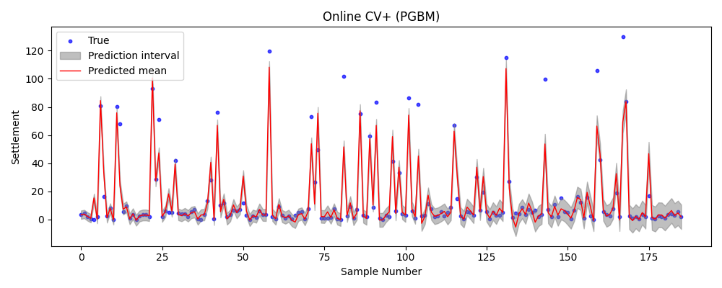

ONLINECP_PGBM_Plot_Online-J+aB
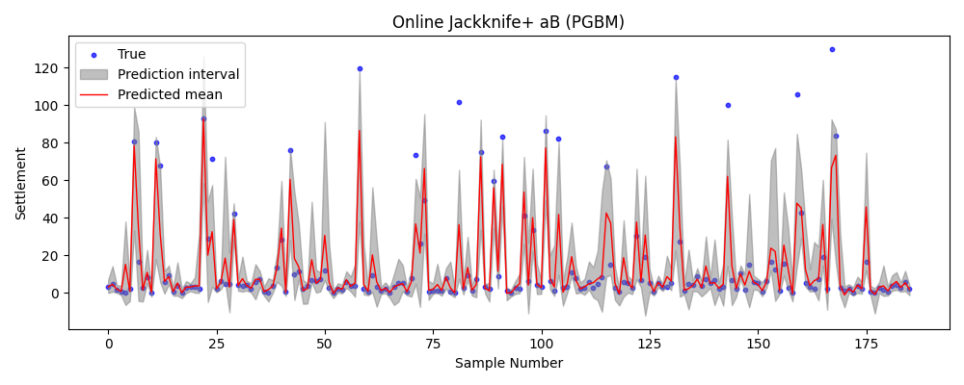

ONLINECP_PGBM_Plot_SAOCP
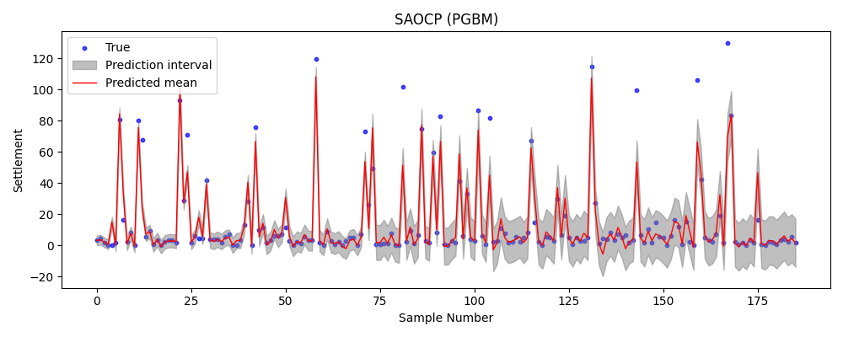

ONLINECP_PGBM_Plot_SF-OGD
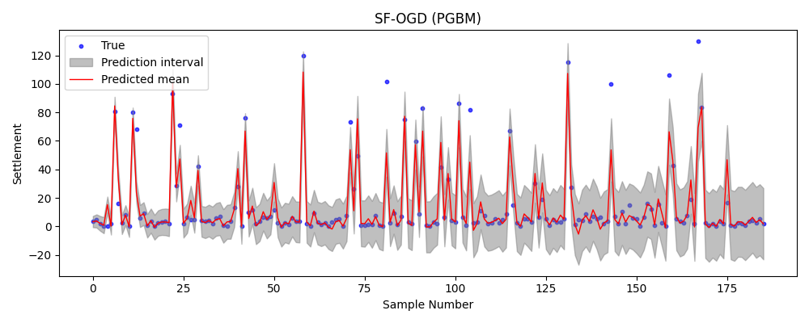

ONLINECP_PGBM_Plot_FACI
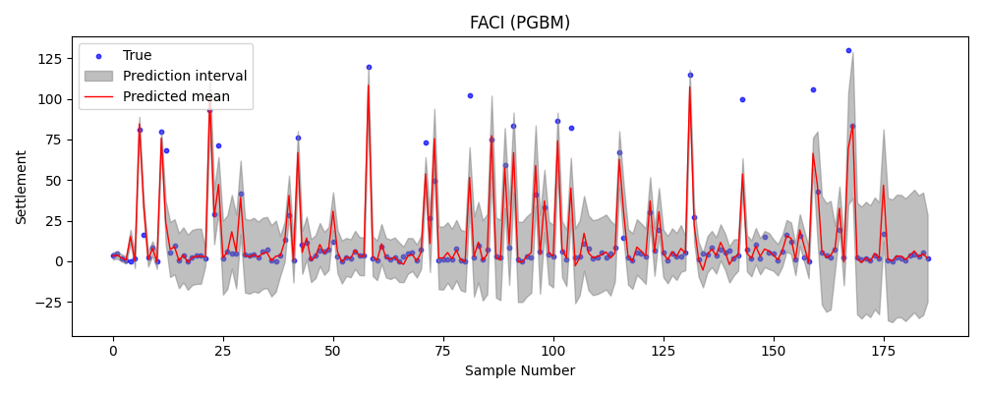

ONLINECP_PGBM_Plot_MFCS-Split


ONLINECP_PGBM_Plot_MFCS-Full
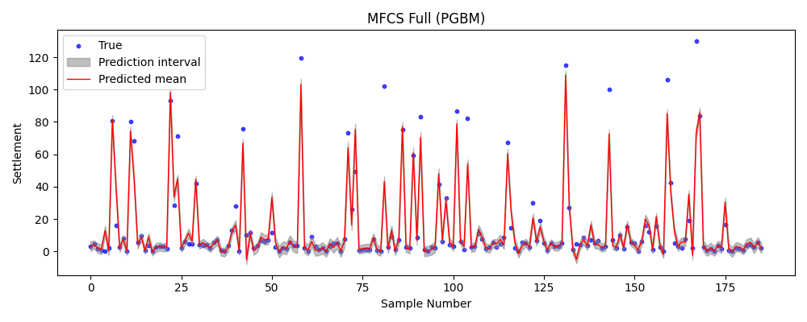

COP_PGBM_Plot
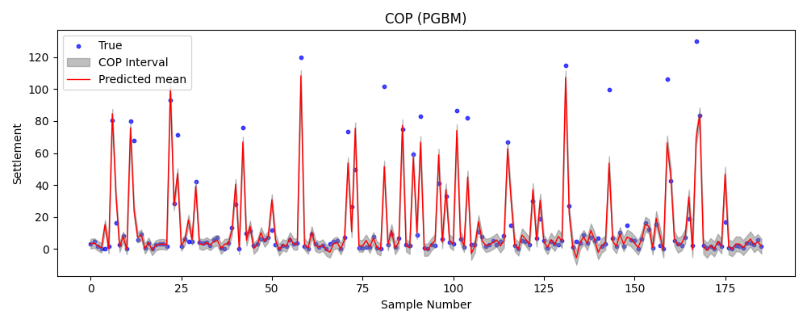

EXTREMECP_PGBM_Plot
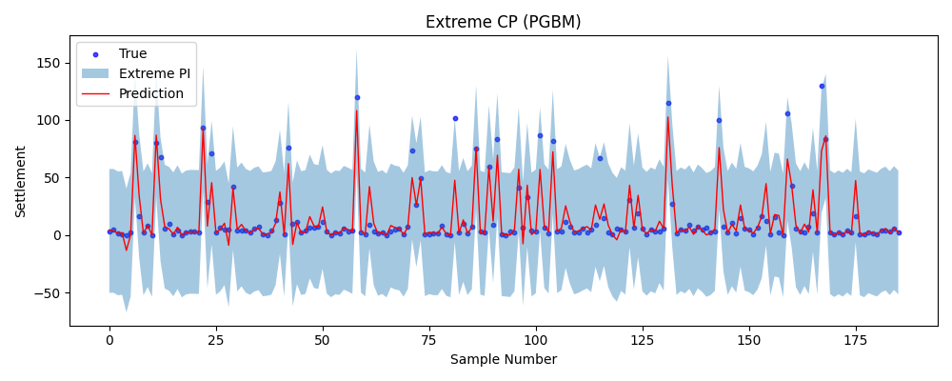

AlphaNet_PGBM_Plot_PI
