RMSE_Trials_Random Forest
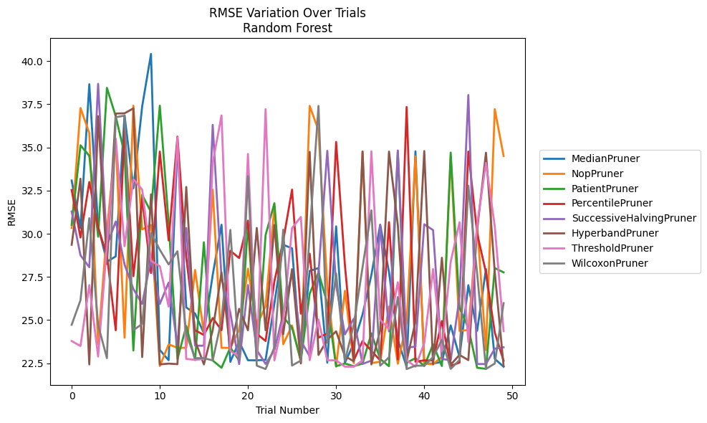
Trial | MedianPruner | NopPruner | PatientPruner | PercentilePruner | SuccessiveHalvingPruner | HyperbandPruner | ThresholdPruner | WilcoxonPruner
1 | 33.084359344 | 30.335417662 | 30.523611302 | 32.535546238 | 31.28950895 | 29.362336757 | 23.784641573 | 24.725234152
2 | 30.321446331 | 37.283820977 | 35.124905926 | 29.782268194 | 28.754694786 | 33.189207053 | 23.496017238 | 26.146703207
3 | 38.664379113 | 35.830992987 | 34.513483689 | 32.997057957 | 28.061502709 | 22.429469452 | 27.027178407 | 30.901438817
4 | 30.433450743 | 23.587964533 | 29.826700014 | 30.352135592 | 38.686974683 | 36.811831508 | 22.886785809 | 24.712667964
5 | 28.379445335 | 30.20062644 | 38.454022402 | 28.767313369 | 29.330431047 | 28.2351955 | 29.313198062 | 22.790946643
6 | 28.688626411 | 35.368100846 | 36.800247369 | 24.407843098 | 30.710199286 | 36.964984724 | 35.517862415 | 36.751911445
7 | 36.854041734 | 23.976610412 | 34.620580227 | 36.092702776 | 28.218553164 | 36.978467111 | 29.279426579 | 36.842118053
8 | 32.62937232 | 37.421996808 | 23.230129315 | 27.541514855 | 26.803034397 | 37.263899271 | 33.160039527 | 24.41098307
9 | 37.385400915 | 30.248280247 | 32.25991547 | 32.028252433 | 25.931059056 | 22.854038053 | 32.558195373 | 24.777172003
10 | 40.422956095 | 30.507038189 | 31.254038814 | 27.724559739 | 28.53179562 | 32.28373328 | 28.4350026 | 30.041553616
11 | 23.268076244 | 22.335839458 | 37.422387956 | 34.762617365 | 25.931059056 | 22.429384595 | 28.116124362 | 29.071320106
12 | 22.671230699 | 23.587964533 | 30.635819853 | 29.612087374 | 27.16727797 | 22.476532489 | 25.777432316 | 28.223495812
13 | 35.2118502 | 23.391301425 | 22.740963817 | 35.629665228 | 23.51436018 | 22.441707098 | 35.59321186 | 28.987696456
14 | 25.731749228 | 23.391301425 | 24.652724346 | 28.626454352 | 30.333661577 | 32.711024287 | 22.747533765 | 24.204069432
15 | 25.372499085 | 27.903598593 | 22.679226961 | 24.407843098 | 23.51436018 | 23.815090661 | 22.695374848 | 22.790946643
16 | 24.238560653 | 24.23327615 | 29.50300248 | 24.133701258 | 23.51436018 | 22.42946468 | 22.747533765 | 22.790946643
17 | 27.611292289 | 32.558601626 | 22.655950349 | 25.113107939 | 36.310311172 | 24.407752461 | 34.103013723 | 22.661140214
18 | 30.523611302 | 23.388300525 | 22.234411107 | 24.410466159 | 27.448973051 | 27.752923408 | 36.853851185 | 25.016706809
19 | 22.580494202 | 23.388300525 | 23.410760071 | 29.015101027 | 25.412654251 | 23.257797349 | 23.218169806 | 30.219931117
20 | 23.753815053 | 24.440153322 | 22.655950349 | 28.591708802 | 22.45027554 | 25.650545855 | 22.865075078 | 22.741048517
21 | 22.667695922 | 27.977034511 | 30.544902953 | 30.758288117 | 27.027178407 | 24.407677308 | 34.620580227 | 33.331114137
22 | 22.667695922 | 24.683170755 | 22.656750713 | 24.200910496 | 23.262572641 | 30.335417662 | 22.695374848 | 22.356153512
23 | 22.691098825 | 25.805543068 | 29.925851036 | 23.786019693 | 22.457351078 | 24.407759391 | 37.219765091 | 22.160325395
24 | 25.959509491 | 31.567270847 | 31.77047572 | 27.242542761 | 23.256688186 | 30.513253515 | 22.661140214 | 23.42067251
25 | 29.360031795 | 23.596379179 | 25.179203496 | 29.588748873 | 25.367038413 | 24.176100283 | 25.016706809 | 30.237569217
26 | 29.15781494 | 24.683170755 | 24.557929056 | 32.558195373 | 27.769121021 | 27.947649939 | 30.329253955 | 22.361794485
27 | 22.745387472 | 22.587356734 | 22.65537242 | 25.370474181 | 23.798896353 | 22.482601745 | 30.971668267 | 22.653095679
28 | 27.844528903 | 37.408510753 | 26.52288917 | 28.844235104 | 22.897902807 | 34.744542718 | 22.671097937 | 29.935817111
29 | 28.011036286 | 35.998358869 | 27.766704157 | 23.976610412 | 27.705155904 | 22.976495833 | 25.030867084 | 37.404084473
30 | 22.530880716 | 26.940918685 | 25.966200459 | 24.232366059 | 34.807173361 | 23.864072522 | 22.66554576 | 23.686403611
31 | 30.428968304 | 22.297367707 | 22.324984952 | 35.320568394 | 27.012886809 | 24.344269317 | 22.664418399 | 27.696341873
32 | 22.530880716 | 26.694678815 | 22.48026347 | 28.167176322 | 24.167569613 | 22.906033261 | 22.296137484 | 22.639414861
33 | 23.641212629 | 22.501828248 | 22.324984952 | 22.66234408 | 25.076116147 | 22.609638855 | 22.296137484 | 24.724918451
34 | 25.321721311 | 34.762812615 | 22.48026347 | 23.784641573 | 22.457351078 | 34.762617365 | 22.664418399 | 28.060769852
35 | 27.605754071 | 22.501828248 | 24.232830051 | 23.218169806 | 22.649227774 | 22.42946468 | 34.775848657 | 31.355354166
36 | 30.523300718 | 22.587356734 | 22.745442572 | 22.66234408 | 30.512698795 | 24.407752461 | 25.018773395 | 22.355215567
37 | 27.77590493 | 25.783893653 | 22.324984952 | 30.669860657 | 24.338421638 | 34.762617365 | 24.475341849 | 22.837696842
38 | 23.853776889 | 22.469059543 | 34.775848657 | 22.716665242 | 34.823886808 | 30.513253515 | 27.189225193 | 26.331976634
39 | 22.288505952 | 24.863997019 | 22.522346512 | 37.344074012 | 23.396406522 | 22.625164937 | 22.67355465 | 22.160325395
40 | 34.775848657 | 34.489701145 | 22.790955785 | 22.587356734 | 23.46355961 | 24.90154155 | 22.296077338 | 22.356101739
41 | 22.478651528 | 22.482601745 | 22.335012421 | 22.66234408 | 30.549045485 | 34.791593862 | 23.655714099 | 22.356101739
42 | 22.478651528 | 22.437220689 | 23.587964533 | 22.656750713 | 30.210627612 | 22.429384595 | 27.95350574 | 22.854019653
43 | 22.577295647 | 22.872344579 | 22.335012421 | 24.944281813 | 22.738710304 | 28.609771935 | 23.177970149 | 23.851725389
44 | 24.689700389 | 34.495664292 | 34.7032675 | 22.338606514 | 22.679226961 | 22.414155746 | 28.381856345 | 22.168050169
45 | 22.863759086 | 24.368135068 | 25.70640055 | 22.53798599 | 26.331976634 | 22.977884662 | 30.668020722 | 22.682246733
46 | 27.019733859 | 24.423257047 | 24.542321516 | 34.762812615 | 38.040302959 | 22.677370725 | 23.728879434 | 32.782973759
47 | 24.376070286 | 30.528632738 | 22.234411107 | 30.020461016 | 22.45027554 | 30.241502073 | 30.523611302 | 27.695045711
48 | 27.953375782 | 23.25323241 | 22.17176211 | 27.756295928 | 22.45027554 | 34.69387728 | 34.103013723 | 22.168050169
49 | 22.747942636 | 37.219765091 | 28.011036286 | 24.27235716 | 23.342410585 | 27.76897649 | 30.428968304 | 22.48026347
50 | 22.297367707 | 34.507849301 | 27.763533466 | 22.642637732 | 23.42067251 | 22.339050357 | 24.355923686 | 25.977836741

RMSE_Trials_Gradient Boosting
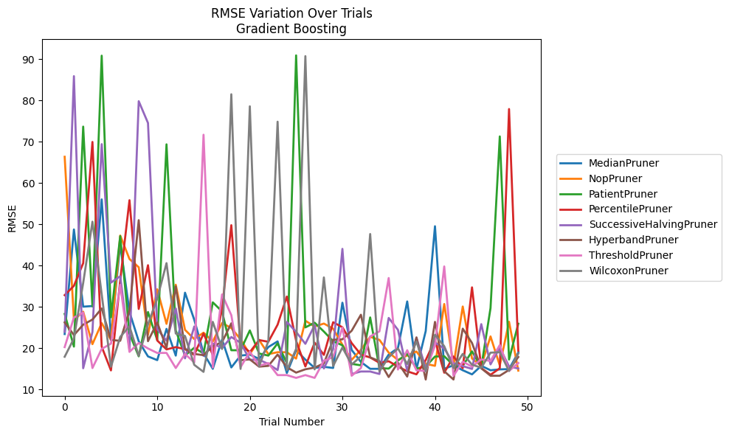
Trial | MedianPruner | NopPruner | PatientPruner | PercentilePruner | SuccessiveHalvingPruner | HyperbandPruner | ThresholdPruner | WilcoxonPruner
1 | 23.414070872 | 66.352670102 | 28.281417441 | 32.834178529 | 23.9588408 | 26.232812917 | 20.249240947 | 17.913105889
2 | 48.744298878 | 26.852488824 | 20.372607394 | 35.091013897 | 85.876992108 | 23.156788893 | 27.409834645 | 22.345867398
3 | 30.045265079 | 28.826276282 | 73.659438155 | 40.575631825 | 15.127334346 | 25.68670966 | 28.61117003 | 35.781485836
4 | 30.19682706 | 20.960764433 | 30.084222823 | 69.941095535 | 23.903100424 | 26.919173375 | 15.175749775 | 50.630012294
5 | 56.031238922 | 26.059170394 | 90.838068528 | 20.342117178 | 69.412655888 | 29.613289253 | 19.817975393 | 33.036332553
6 | 22.636510044 | 22.021065487 | 27.470979162 | 14.607436965 | 35.862341002 | 21.982705605 | 21.093887621 | 15.490628119
7 | 45.183190275 | 47.271486174 | 47.126918144 | 36.459768764 | 37.422405906 | 21.776327237 | 35.354301776 | 22.716770023
8 | 28.763788133 | 41.588612387 | 23.506147689 | 55.837923468 | 19.655916969 | 29.11233074 | 19.086949805 | 25.296849801
9 | 21.65517511 | 39.593626252 | 18.018809832 | 29.489589025 | 79.811183562 | 50.996298488 | 21.255962579 | 18.150373335
10 | 17.994316547 | 23.264984145 | 28.749584978 | 40.084880541 | 74.533437366 | 21.686776387 | 19.920383558 | 25.75710058
11 | 17.099270317 | 34.253559874 | 21.955239947 | 21.84878074 | 24.611007849 | 26.228011042 | 18.83180623 | 32.005658333
12 | 24.665543488 | 25.885358041 | 69.364343932 | 19.688991382 | 21.798919284 | 20.041596846 | 18.846521319 | 40.587905042
13 | 18.193513567 | 35.358377181 | 24.266076299 | 20.250624082 | 29.609332861 | 34.961991274 | 15.17708717 | 23.53450783
14 | 33.426823462 | 24.431447762 | 18.205790318 | 19.738333442 | 17.530823089 | 19.838598113 | 18.579572197 | 22.942543881
15 | 26.862245263 | 22.20348709 | 20.101251514 | 18.355630237 | 25.250359806 | 18.592685064 | 16.550074874 | 15.949086027
16 | 18.754375132 | 23.746574869 | 18.707139007 | 23.549227666 | 18.115836849 | 18.298140971 | 71.684757282 | 14.250400762
17 | 14.992096974 | 21.61653716 | 31.091435058 | 18.355630237 | 21.116945148 | 20.462644153 | 15.307749699 | 26.361297093
18 | 22.091606292 | 26.090112434 | 28.89097946 | 29.61911454 | 20.018690832 | 21.453928504 | 33.004876385 | 19.788562835
19 | 15.324983877 | 24.86353956 | 19.49180585 | 49.782000753 | 22.693054768 | 26.015419018 | 27.990845887 | 81.493033682
20 | 18.195570138 | 22.15799668 | 19.485204201 | 20.917734223 | 21.309594919 | 17.059048592 | 15.372863771 | 14.970668333
21 | 18.432250357 | 18.545535187 | 24.296363941 | 19.02710404 | 17.187317449 | 17.282013111 | 19.142650214 | 78.575090472
22 | 17.39269749 | 21.98942181 | 18.707139007 | 21.956857091 | 17.187317449 | 15.519505118 | 15.737255838 | 15.57047789
23 | 20.265722076 | 18.545535187 | 18.193230475 | 21.539020836 | 16.161590495 | 15.700690436 | 16.381265969 | 21.666314184
24 | 21.631824073 | 19.012722989 | 21.150930913 | 25.675372706 | 14.680870373 | 18.444479525 | 13.466155619 | 74.847137149
25 | 13.97714411 | 19.012722989 | 16.362650943 | 32.495535981 | 26.346322689 | 15.372863771 | 13.466155619 | 14.692400349
26 | 19.530013508 | 17.467891951 | 90.908324295 | 21.795378558 | 23.943133313 | 14.074403247 | 12.795120196 | 19.808493102
27 | 17.212629665 | 26.637910872 | 25.022998384 | 15.557521351 | 21.045183923 | 14.878199182 | 13.466155619 | 90.72927699
28 | 15.210496632 | 25.230304671 | 26.167640092 | 21.316155158 | 25.558188751 | 15.282153398 | 12.795120196 | 14.854015728
29 | 15.475529616 | 25.952716365 | 24.016134188 | 18.36902452 | 15.082887648 | 16.315169289 | 16.950966375 | 37.128268596
30 | 15.197180055 | 24.710315103 | 21.686776387 | 26.276628311 | 19.78034067 | 22.017211434 | 17.819314874 | 15.676832607
31 | 30.998656654 | 20.834001837 | 20.683803902 | 25.056272329 | 44.047663549 | 22.129500315 | 24.980861586 | 20.150418717
32 | 19.561524237 | 17.159036859 | 16.193847267 | 21.225373611 | 13.742532794 | 24.212121011 | 13.313897355 | 16.009132596
33 | 16.651608087 | 19.600873434 | 15.838320265 | 18.424959884 | 14.339993348 | 28.093003363 | 15.186007712 | 18.028590981
34 | 14.992096974 | 22.737554657 | 27.439179197 | 17.734287483 | 14.339993348 | 17.761441613 | 22.83118848 | 47.644512685
35 | 14.992096974 | 22.003060572 | 15.165621462 | 16.449152345 | 13.742532794 | 16.846288782 | 24.057417424 | 14.399264326
36 | 18.434616635 | 18.918772129 | 15.044038086 | 16.821286694 | 27.317645328 | 12.993200194 | 36.981334844 | 17.778496807
37 | 20.016217904 | 17.142752417 | 16.982137857 | 15.546939303 | 24.438542307 | 16.480192022 | 14.821124641 | 19.929017083
38 | 31.309579186 | 18.223877322 | 18.642416891 | 14.388289937 | 14.495969994 | 13.111642375 | 19.50253575 | 16.155888585
39 | 14.902599157 | 19.179556711 | 15.044038086 | 13.656930595 | 22.532889501 | 22.60231013 | 14.630240823 | 21.646914961
40 | 24.144438814 | 16.192886454 | 15.562902801 | 17.104456021 | 15.088154389 | 12.399858449 | 14.474176708 | 14.399264326
41 | 49.526982007 | 15.712127095 | 17.962495201 | 21.918385474 | 21.35685667 | 26.361297093 | 20.636307586 | 23.242595985
42 | 14.992096974 | 30.688156891 | 18.046370878 | 14.041183716 | 19.905536436 | 14.400144127 | 39.787316753 | 20.463058254
43 | 15.844781572 | 15.794309742 | 15.833352383 | 17.98590189 | 16.326664673 | 12.399858449 | 13.306181717 | 15.152306608
44 | 14.645138881 | 30.084222823 | 15.694320342 | 15.126295843 | 15.645312938 | 24.723141225 | 16.722373995 | 18.605403661
45 | 13.648808751 | 17.486347649 | 19.220027698 | 34.720954787 | 14.965469442 | 21.248337925 | 15.516443965 | 15.999404107
46 | 15.717328688 | 15.712127095 | 15.372857661 | 15.183693797 | 25.812975311 | 15.112393688 | 17.282516448 | 15.263609233
47 | 14.645138881 | 22.836970491 | 29.702627161 | 13.550255899 | 16.058447307 | 13.313657921 | 16.872237208 | 18.901847692
48 | 14.85141142 | 15.800368159 | 71.282363342 | 15.114784554 | 20.11997923 | 13.313657921 | 20.745904094 | 19.018309496
49 | 14.924232621 | 26.389239725 | 17.241042822 | 77.913854191 | 15.568401529 | 14.726036566 | 14.477992173 | 14.464850831
50 | 18.94758811 | 14.551035558 | 25.922288936 | 19.383129864 | 15.072258262 | 17.851836085 | 16.395959267 | 18.688889786

RMSE_Trials_XGBoost
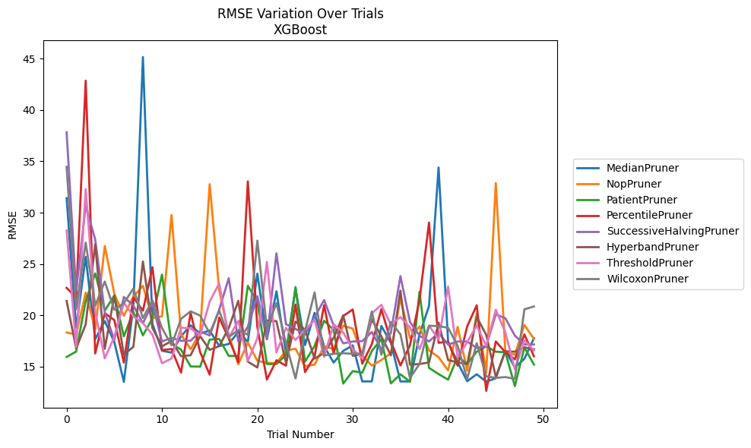
Trial | MedianPruner | NopPruner | PatientPruner | PercentilePruner | SuccessiveHalvingPruner | HyperbandPruner | ThresholdPruner | WilcoxonPruner
1 | 31.407907132 | 18.319868105 | 15.932441404 | 22.669181083 | 37.83635582 | 21.392872162 | 28.250108121 | 34.463205987
2 | 18.785565348 | 18.12146583 | 16.462993093 | 21.712602079 | 22.34443126 | 16.770746567 | 16.920452642 | 20.585894442
3 | 25.697514371 | 22.206430895 | 21.385750775 | 42.866427038 | 30.675752693 | 19.118470106 | 32.293704669 | 27.082889575
4 | 17.675991389 | 18.60805122 | 24.078346393 | 16.277809858 | 27.380077389 | 26.914531069 | 20.322000438 | 20.941895884
5 | 19.42941891 | 26.752800711 | 20.457240961 | 20.199048347 | 20.302241655 | 16.723715633 | 15.800778458 | 23.290036613
6 | 17.398931419 | 22.091479169 | 21.930924359 | 19.533861976 | 17.606084583 | 21.897957106 | 17.889267948 | 20.541566837
7 | 13.507919926 | 19.945595519 | 17.95150189 | 15.387591228 | 21.785276093 | 16.158011813 | 21.22207822 | 21.179534917
8 | 20.898528303 | 21.814887164 | 20.34166992 | 21.744931555 | 20.945694369 | 16.923736949 | 19.903038497 | 22.599833139
9 | 45.165347172 | 22.867669362 | 18.044288656 | 20.444782966 | 19.227822432 | 25.240013372 | 19.225565229 | 19.724417421
10 | 19.161801089 | 19.724841058 | 19.691982037 | 24.683289345 | 21.10447372 | 18.76027954 | 18.11369328 | 21.442626522
11 | 16.540986332 | 19.894762901 | 23.96183261 | 16.616062294 | 17.445721809 | 16.963242252 | 15.324702333 | 18.756193197
12 | 16.359209006 | 29.765685046 | 17.224312016 | 16.710961937 | 17.80738708 | 17.494770764 | 15.780158436 | 17.076354581
13 | 17.941698661 | 18.15053406 | 16.648713669 | 14.414842119 | 17.513781919 | 16.011285965 | 18.793718762 | 19.652354253
14 | 19.023520562 | 16.681735389 | 15.010467594 | 20.229860006 | 17.513781919 | 16.101051327 | 18.722485217 | 20.382421873
15 | 18.215451347 | 18.290651034 | 14.991665507 | 16.412330184 | 18.437661839 | 17.964214261 | 18.03741361 | 19.966084051
16 | 18.512553768 | 32.780626196 | 17.629435887 | 14.214257675 | 18.025195436 | 16.627263914 | 21.340153492 | 18.239406468
17 | 17.003713636 | 22.425432882 | 17.683820881 | 19.766163556 | 20.557671015 | 16.990252419 | 23.113577545 | 20.447719466
18 | 17.196025293 | 18.072424438 | 16.041451557 | 17.718863283 | 23.611450667 | 18.762442377 | 17.809895333 | 17.879942796
19 | 18.381946388 | 15.222404784 | 16.03103483 | 15.425354394 | 17.4582152 | 21.402987249 | 19.4565162 | 18.556043147
20 | 17.404940319 | 17.338165336 | 22.860617 | 33.052703396 | 18.883602398 | 15.475420919 | 15.532902348 | 18.09749383
21 | 24.058419415 | 15.56366293 | 21.336863707 | 18.83429243 | 21.862478301 | 14.911032858 | 17.752927521 | 27.271907736
22 | 17.660739993 | 15.353153825 | 15.243499344 | 13.733028935 | 17.674631542 | 19.48018371 | 25.189676063 | 18.681832661
23 | 22.334208193 | 15.337361922 | 15.243499344 | 15.610913764 | 26.036737037 | 19.422820518 | 16.379147903 | 21.189844712
24 | 16.335963528 | 16.561805999 | 16.138574498 | 15.086383835 | 19.133479045 | 15.357041469 | 18.761331761 | 17.251217136
25 | 22.60964856 | 16.73691518 | 22.749710212 | 21.045166926 | 18.662879219 | 19.382391586 | 17.589070478 | 13.847760443
26 | 17.096105251 | 15.022049788 | 15.480932058 | 14.456630974 | 18.171199105 | 18.59694066 | 18.587942381 | 18.46903245
27 | 20.23457238 | 15.1934222 | 17.002119656 | 15.986252863 | 19.800891369 | 15.770221893 | 19.539954672 | 22.227953685
28 | 16.968037019 | 17.008730541 | 19.46484924 | 20.986356037 | 21.486548661 | 16.322226538 | 15.958921527 | 16.075039058
29 | 15.385801502 | 16.698482618 | 18.573029433 | 16.257116221 | 18.995165095 | 17.805970585 | 19.121911318 | 16.240022945
30 | 16.525362133 | 18.98605229 | 13.340213814 | 19.924790632 | 17.260739703 | 19.999409129 | 18.326083735 | 16.301332372
31 | 17.072571275 | 18.698106036 | 14.559299026 | 20.561731239 | 17.441921389 | 16.051165201 | 16.712316264 | 16.240022945
32 | 13.551852543 | 16.074152962 | 14.403292154 | 15.277634471 | 17.481556738 | 16.206807824 | 15.800778458 | 16.265862223
33 | 13.551852543 | 15.095355418 | 16.519347988 | 17.18417939 | 18.365706915 | 19.599499898 | 20.187642359 | 20.36994083
34 | 18.95755486 | 15.631012044 | 17.672089635 | 20.591161976 | 16.68196989 | 17.94476177 | 21.011661283 | 16.148522885
35 | 17.315950587 | 16.299531684 | 13.356432161 | 17.456719571 | 18.299637545 | 16.093237333 | 19.091799278 | 19.338977967
36 | 13.548135381 | 21.672817475 | 14.249682222 | 15.10418311 | 23.812218998 | 22.398812699 | 19.827870439 | 18.144009031
37 | 13.548135381 | 17.75264018 | 13.528296707 | 17.072679115 | 19.355819611 | 15.188886043 | 18.815287995 | 13.891474318
38 | 18.122542629 | 18.905266386 | 22.274921027 | 21.469933714 | 18.007248596 | 15.24781028 | 16.69972025 | 15.2509754
39 | 20.907614418 | 16.572329837 | 14.87391641 | 29.037242197 | 17.43980392 | 15.399990736 | 18.989235817 | 18.983833866
40 | 34.406786439 | 15.918974459 | 14.268137239 | 17.313670521 | 18.288642755 | 19.283502908 | 17.638301386 | 18.933817578
41 | 17.403460297 | 14.62790131 | 13.721526019 | 17.431962226 | 17.14456819 | 15.636905955 | 22.798627587 | 18.781618013
42 | 15.395352274 | 18.869450696 | 15.966487263 | 15.086383835 | 17.43980392 | 15.399990736 | 15.87116014 | 17.032237461
43 | 13.573753765 | 14.599800128 | 15.261886159 | 18.919134457 | 17.43980392 | 15.24128918 | 17.392621742 | 13.793340563
44 | 14.251011437 | 20.187749422 | 16.448657384 | 20.972144676 | 16.812620406 | 19.845461372 | 18.99731142 | 17.269998622
45 | 13.528296707 | 14.413754709 | 16.970994091 | 12.632375424 | 17.008231522 | 18.07894755 | 17.01818333 | 14.049500444
46 | 13.864471206 | 32.888397675 | 16.448684984 | 17.45184416 | 20.080900562 | 14.001138884 | 20.536211212 | 13.89517042
47 | 16.573084667 | 16.47402848 | 16.395160701 | 16.394267759 | 19.715361436 | 16.481331959 | 18.331892626 | 13.977738307
48 | 14.907638365 | 16.153459868 | 13.093030789 | 15.703021387 | 18.011832914 | 16.451789299 | 14.723526113 | 13.798560679
49 | 15.758904599 | 19.053383246 | 16.864637504 | 18.134836183 | 17.152162128 | 16.883964467 | 17.544319115 | 20.581424257
50 | 17.756118669 | 17.691077778 | 15.187858918 | 16.001111887 | 17.152162128 | 16.682453316 | 16.573773845 | 20.853940167

RMSE_Trials_LightGBM
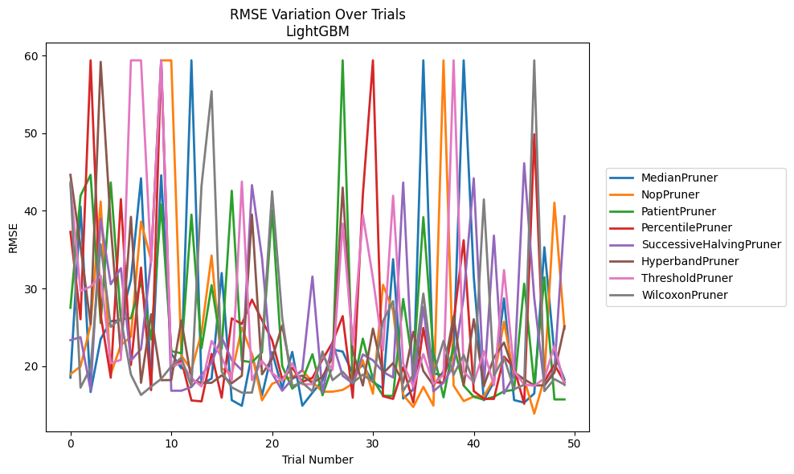
Trial | MedianPruner | NopPruner | PatientPruner | PercentilePruner | SuccessiveHalvingPruner | HyperbandPruner | ThresholdPruner | WilcoxonPruner
1 | 18.509502578 | 18.94465869 | 27.504566877 | 37.278833811 | 23.339501359 | 44.636296612 | 43.374709934 | 43.680661981
2 | 40.544888165 | 19.956032571 | 41.948555111 | 26.030298788 | 23.718061237 | 35.43376942 | 29.683562187 | 17.222189892
3 | 16.659213957 | 25.306375858 | 44.641392831 | 59.381455618 | 16.916685914 | 25.399295989 | 30.231389519 | 19.798059778
4 | 23.485211245 | 41.19352069 | 25.537035178 | 26.581242992 | 38.957518828 | 59.184348213 | 31.659066114 | 35.683132995
5 | 25.791811158 | 18.962279279 | 43.650013075 | 18.502659115 | 30.535229651 | 38.040463512 | 20.390996565 | 25.033256375
6 | 25.895240589 | 22.699179133 | 26.02926783 | 41.50485948 | 32.604678289 | 21.442018333 | 20.798813267 | 26.129375801
7 | 31.146421197 | 23.774024661 | 26.165905434 | 20.142624665 | 20.715578348 | 39.229001619 | 59.381455618 | 18.896131739
8 | 44.189175823 | 38.608229604 | 30.92842669 | 32.684806214 | 22.186841159 | 17.84219623 | 59.381455618 | 16.284074871
9 | 17.486531978 | 33.652911231 | 23.43645958 | 16.894071183 | 33.655815286 | 26.671257199 | 33.305539333 | 17.348328631
10 | 44.573069875 | 59.381455618 | 40.787459377 | 59.381455618 | 59.381455618 | 18.182058395 | 59.381455618 | 18.348044806
11 | 21.622456153 | 59.381455618 | 21.918192845 | 19.683209957 | 16.824027796 | 18.202004225 | 19.966817207 | 19.958957099
12 | 19.708180408 | 21.375699835 | 21.65006332 | 20.742564986 | 16.824027796 | 25.88637289 | 20.390996565 | 21.089237532
13 | 59.381455618 | 19.46995807 | 39.508395193 | 15.570862792 | 17.308918961 | 18.195925112 | 18.478158822 | 17.342849982
14 | 17.679662864 | 24.318725076 | 22.287490063 | 15.45223361 | 18.8561517 | 17.84219623 | 17.373394715 | 43.215400556
15 | 18.38826016 | 34.24636773 | 30.417155798 | 21.577651538 | 20.440401604 | 17.84219623 | 23.23647941 | 55.409262616
16 | 31.990148366 | 19.697500682 | 22.239063154 | 15.927571328 | 23.713477166 | 18.804277122 | 21.11863479 | 19.292493225
17 | 15.607949535 | 18.964017631 | 42.584667857 | 26.139981091 | 20.764801755 | 17.79250075 | 18.106138055 | 17.25501392
18 | 14.883208512 | 24.981946838 | 20.685091639 | 25.418686689 | 19.464249267 | 18.760888116 | 43.768403744 | 16.579185486
19 | 21.54984312 | 21.503791051 | 20.499092231 | 28.562923639 | 43.308180141 | 39.516717811 | 18.179355965 | 16.579185486
20 | 16.219482124 | 15.585181368 | 21.761918675 | 25.896774503 | 33.901679846 | 18.937876044 | 20.649747859 | 22.574194118
21 | 21.791525742 | 17.706843857 | 40.110647373 | 23.343152112 | 19.057677271 | 20.935582794 | 19.096304801 | 42.507543691
22 | 17.178485592 | 18.322020381 | 20.000357888 | 18.350756372 | 16.824027796 | 25.228924094 | 18.087457601 | 26.22945929
23 | 21.821688101 | 18.545861947 | 17.095495766 | 19.766331727 | 18.318979156 | 18.460115042 | 20.38019254 | 17.432375305
24 | 14.89328248 | 19.44717158 | 18.179272245 | 17.964435938 | 19.479597628 | 18.768586761 | 17.659759911 | 17.856897416
25 | 16.571719754 | 17.958124804 | 21.527780679 | 18.486153807 | 31.533697797 | 17.829488051 | 17.667474471 | 16.7396435
26 | 18.138502672 | 16.700686033 | 16.239565251 | 20.840042493 | 16.58571224 | 18.608326557 | 21.3290174 | 21.878356216
27 | 22.149524625 | 16.700686033 | 20.043342211 | 23.058416104 | 23.05766683 | 21.157141287 | 19.509869772 | 18.187499632
28 | 21.864130883 | 16.928196914 | 59.381455618 | 26.433067162 | 18.746486398 | 42.994752273 | 38.366902366 | 19.262245872
29 | 19.036425406 | 17.726368981 | 17.244462203 | 15.923794515 | 17.765775871 | 21.935216854 | 22.753011574 | 17.855724541
30 | 20.140745559 | 20.75544857 | 23.529432765 | 42.073255047 | 21.494451599 | 17.50362432 | 39.474201312 | 18.897569971
31 | 17.934817053 | 16.438853666 | 18.258403349 | 59.381455618 | 20.745611351 | 24.832483781 | 31.31112433 | 17.971765963
32 | 17.130930567 | 30.467086722 | 16.181035099 | 16.118411709 | 19.252707284 | 19.053998519 | 22.01959403 | 25.791811158
33 | 33.769171944 | 27.095209422 | 16.155420858 | 15.772619359 | 18.525001644 | 20.38019254 | 41.942037379 | 28.364789301
34 | 15.818057179 | 16.287724881 | 28.639164287 | 19.853371558 | 43.643482118 | 17.834123199 | 20.310646116 | 16.785968998
35 | 17.00575332 | 14.730019787 | 19.76815346 | 15.297308175 | 16.889364405 | 24.40915413 | 17.373394715 | 18.907535481
36 | 59.381455618 | 17.325064476 | 39.179075429 | 24.907731364 | 27.62711543 | 19.366135232 | 21.552563538 | 29.339497558
37 | 19.071008428 | 14.91242268 | 21.754658535 | 17.907380079 | 16.748176978 | 17.511543024 | 17.667474471 | 18.877312656
38 | 18.793219185 | 59.381455618 | 15.973166698 | 17.866303679 | 17.85326603 | 19.324312266 | 18.88874187 | 23.241156869
39 | 21.800972353 | 17.481208988 | 22.741488415 | 25.719897583 | 20.082389246 | 26.406334966 | 59.381455618 | 18.872219459
40 | 59.381455618 | 15.484433629 | 17.483516653 | 36.21564059 | 28.944786515 | 17.511543024 | 19.292217041 | 21.439756143
41 | 31.491861252 | 16.079555623 | 16.042194736 | 16.776930173 | 44.189312885 | 26.037780221 | 17.892709924 | 17.870122734
42 | 15.61116134 | 16.099566457 | 15.672137005 | 15.781164065 | 17.331477415 | 17.444114946 | 21.918660705 | 41.467274669
43 | 17.957149048 | 18.359946612 | 16.04442744 | 15.772344078 | 36.811132726 | 21.084049264 | 17.52852125 | 18.767599452
44 | 28.717786432 | 25.708288174 | 16.744966849 | 21.2264174 | 16.455074819 | 23.031181824 | 32.368354551 | 21.116381619
45 | 15.617868346 | 18.553634631 | 16.941529735 | 19.776154652 | 18.825400168 | 19.21425571 | 19.346154091 | 17.02382755
46 | 15.295734455 | 18.33399466 | 30.605220232 | 15.136990737 | 46.121962458 | 18.298976762 | 17.627950128 | 17.596584035
47 | 16.467735634 | 13.885572104 | 17.504275744 | 49.85300352 | 28.742214684 | 17.511543024 | 17.457842205 | 59.381455618
48 | 35.307950059 | 18.402008138 | 31.443136581 | 18.000781572 | 17.444114946 | 17.511543024 | 18.406912898 | 16.774353769
49 | 21.560324988 | 41.048581661 | 15.703842873 | 20.205205149 | 19.499253617 | 19.171880104 | 22.617150777 | 18.319056058
50 | 18.252849708 | 24.785716913 | 15.703842873 | 17.908464667 | 39.296245805 | 25.138248807 | 17.573253421 | 17.606931264

RMSE_Trials_GPBoost
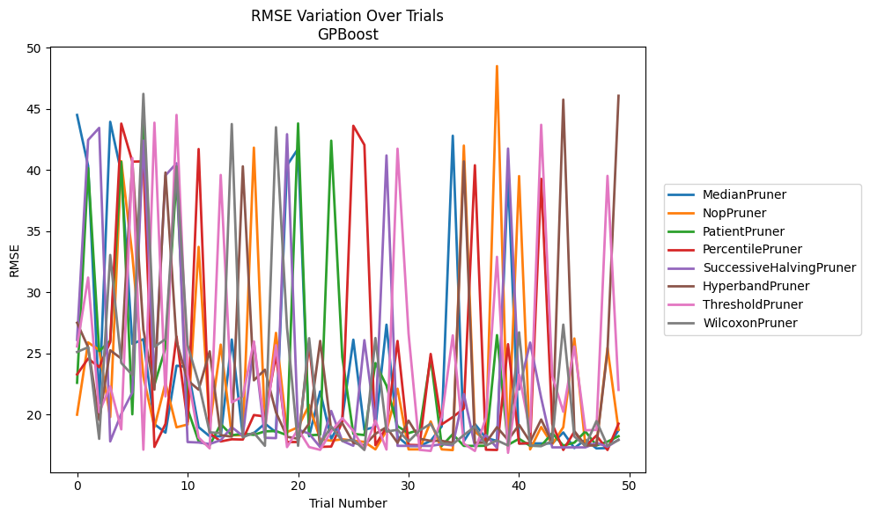
Trial | MedianPruner | NopPruner | PatientPruner | PercentilePruner | SuccessiveHalvingPruner | HyperbandPruner | ThresholdPruner | WilcoxonPruner
1 | 44.510694827 | 19.971858649 | 22.583616831 | 23.268263395 | 26.097377205 | 27.495658562 | 25.562006165 | 25.103913581
2 | 40.33335666 | 25.886738591 | 40.160774213 | 24.56347351 | 42.464308666 | 25.494598779 | 31.197456608 | 25.489086874
3 | 20.886444329 | 25.26298009 | 25.168804125 | 23.860810114 | 43.454875187 | 19.542219315 | 20.176642935 | 17.992138948
4 | 43.951399283 | 19.772389947 | 26.021906683 | 25.9155815 | 17.783439248 | 25.245739077 | 22.281203569 | 33.046427765
5 | 39.773524252 | 40.731225427 | 40.677097097 | 43.80451048 | 20.035151846 | 24.563475717 | 18.766742902 | 24.203925959
6 | 25.764099842 | 33.046427018 | 20.000476471 | 40.688903142 | 21.792494521 | 40.666738424 | 40.98617689 | 23.225737128
7 | 26.147574284 | 23.092162837 | 45.152839345 | 40.713558099 | 42.415281357 | 26.930733491 | 17.10456885 | 46.237880025
8 | 19.196997601 | 18.948156839 | 22.420862248 | 17.330219381 | 22.639869815 | 22.020529477 | 43.878588341 | 25.532482679
9 | 18.497493153 | 22.561385506 | 25.446109095 | 19.216974099 | 39.56450644 | 39.800416085 | 21.469384763 | 26.153870487
10 | 23.979962468 | 18.935986436 | 39.40104264 | 26.367672982 | 40.558894947 | 25.98977879 | 44.512774969 | 40.303650825
11 | 23.877447489 | 19.166503167 | 20.447093365 | 19.398272811 | 17.731900947 | 22.78606046 | 23.276038541 | 25.66887323
12 | 18.946630902 | 33.71247027 | 17.791933167 | 41.723299125 | 17.691779395 | 22.018633807 | 18.098052561 | 22.593663447
13 | 18.201976912 | 18.948156839 | 17.457842223 | 18.459240368 | 17.570064833 | 25.157399957 | 17.212570874 | 18.525824395
14 | 18.201976912 | 25.706916658 | 19.197647616 | 17.780847421 | 17.884607946 | 18.296818519 | 39.597721675 | 18.45983119
15 | 26.124639426 | 18.285617404 | 18.285617404 | 17.95603487 | 18.948156839 | 18.173887566 | 20.975863382 | 43.767973706
16 | 18.201976912 | 18.285617404 | 18.406912893 | 17.933336206 | 18.230681122 | 40.305246045 | 21.472877799 | 18.118779699
17 | 18.462808943 | 41.836189666 | 18.319451102 | 19.939404889 | 25.906152107 | 22.784553592 | 25.972847715 | 18.491691357
18 | 19.239738048 | 19.032544175 | 18.608505468 | 19.827688743 | 18.077790875 | 23.651641856 | 18.800777251 | 17.42120017
19 | 18.527984868 | 26.668713949 | 18.630262605 | 24.848900764 | 18.050595358 | 20.168362891 | 25.654541101 | 43.505208095
20 | 40.386084627 | 18.543041171 | 18.292150948 | 17.731529816 | 42.935049036 | 18.161962419 | 17.318277654 | 27.084885142
21 | 41.746145731 | 18.946024739 | 43.818067752 | 17.731529816 | 18.74871681 | 17.999737141 | 18.782257532 | 17.422829064
22 | 18.201976912 | 20.760554642 | 18.285617404 | 25.727681683 | 18.416163955 | 19.243638706 | 17.318277654 | 26.233404627
23 | 21.872148869 | 17.951121156 | 18.328742346 | 17.333697732 | 17.31701905 | 26.009623787 | 17.091161268 | 17.569348556
24 | 17.981091682 | 17.840589696 | 42.407329372 | 17.362984646 | 20.27422397 | 18.684130696 | 18.597679037 | 19.008691351
25 | 19.678706045 | 17.959778342 | 24.686795176 | 19.369365224 | 17.823463752 | 19.278580059 | 19.691022811 | 17.830361812
26 | 26.11144179 | 17.841488567 | 18.402578411 | 43.625370314 | 17.425587112 | 17.667823738 | 18.639410926 | 17.916121257
27 | 18.736641217 | 17.740630952 | 18.300186378 | 42.060231897 | 26.07248919 | 17.457842223 | 17.117260478 | 17.081247181
28 | 18.972101604 | 17.12842037 | 24.195210032 | 17.473016966 | 19.15944256 | 18.406912893 | 19.480279756 | 26.248158942
29 | 27.340163668 | 18.66107779 | 22.348143398 | 18.946024739 | 41.196210066 | 18.948220635 | 17.117260478 | 18.586129563
30 | 18.180148324 | 22.098087081 | 19.025555383 | 26.007293584 | 17.419035723 | 17.667823738 | 41.753061147 | 18.733924865
31 | 17.40632383 | 17.12842037 | 18.458533635 | 17.499846116 | 17.419035723 | 19.481962589 | 26.598706505 | 17.776314868
32 | 17.40632383 | 17.12842037 | 18.735815876 | 17.473016966 | 17.415778394 | 18.002412327 | 17.091161268 | 18.674224597
33 | 17.828165837 | 19.419636487 | 24.640300082 | 24.941809401 | 17.415778394 | 17.829459845 | 17.002073799 | 19.228815277
34 | 19.008199876 | 17.12842037 | 17.419035723 | 19.175941773 | 17.55805527 | 17.829459845 | 19.745191975 | 17.613059262
35 | 42.809306567 | 17.07037326 | 18.372380609 | 19.77456741 | 17.457842223 | 17.667823738 | 26.464098854 | 17.559208297
36 | 17.79852178 | 42.003215934 | 17.415778394 | 20.477845423 | 21.661790128 | 40.711909384 | 17.594834578 | 18.299245287
37 | 19.210968185 | 18.5760734 | 17.415778394 | 40.393607431 | 17.400693857 | 17.667823738 | 17.002073799 | 18.997555115
38 | 18.05543552 | 17.836857225 | 17.422829064 | 17.102805725 | 18.297363046 | 17.684003187 | 19.73186584 | 17.448968205
39 | 17.828165837 | 48.514610924 | 26.484916696 | 17.081247181 | 17.251011199 | 18.948220635 | 32.895455436 | 17.865512289
40 | 39.484276647 | 17.12842037 | 17.501538406 | 25.742973004 | 41.762397587 | 17.896748732 | 16.849541524 | 17.448968205
41 | 17.620025341 | 39.507174938 | 17.997998294 | 17.604389361 | 22.030651839 | 19.143209593 | 23.256662423 | 26.716393285
42 | 17.620025341 | 17.12842037 | 17.422829064 | 17.638900903 | 25.875501931 | 17.748014585 | 18.571043928 | 17.448968205
43 | 17.620025341 | 18.960622565 | 17.422829064 | 39.283626836 | 21.344583299 | 19.576413546 | 43.706490257 | 17.397157617
44 | 17.620025341 | 17.552476339 | 18.459613288 | 19.21960653 | 17.29457752 | 17.667823738 | 23.1329194 | 17.799128278
45 | 18.516660012 | 18.945740513 | 17.438699194 | 17.081247181 | 17.29457752 | 45.767065096 | 20.211218106 | 27.344712907
46 | 17.236384683 | 26.210914826 | 17.684464582 | 18.586129563 | 17.29457752 | 18.62868503 | 25.554722931 | 18.181682855
47 | 17.920610813 | 17.438699194 | 18.596420619 | 17.376034678 | 17.29457752 | 17.457842223 | 18.692266068 | 17.427379794
48 | 17.208828025 | 17.497164207 | 17.452122196 | 18.259015054 | 17.669198202 | 17.457842223 | 18.721233216 | 19.446026116
49 | 17.236384683 | 25.43231523 | 17.760231791 | 17.081247181 | 17.348499018 | 25.177391954 | 39.524700093 | 17.427379794
50 | 18.717988332 | 18.735008631 | 18.208051643 | 19.228815277 | 17.919796618 | 46.083822383 | 22.00253973 | 17.895226408

RMSE_Trials_CatBoost
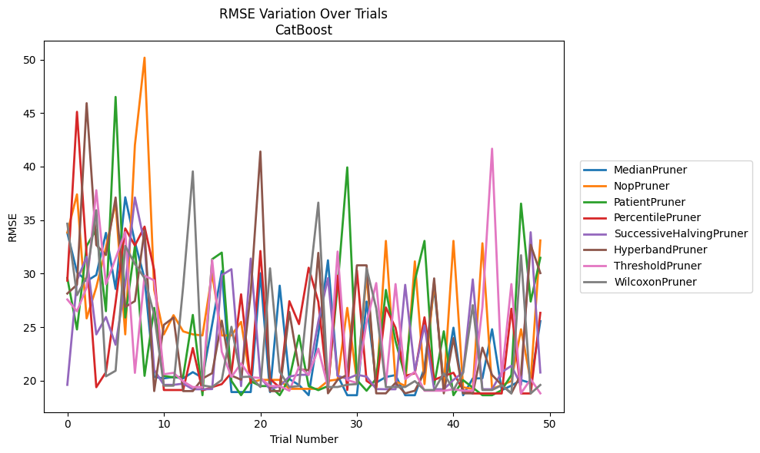
Trial | MedianPruner | NopPruner | PatientPruner | PercentilePruner | SuccessiveHalvingPruner | HyperbandPruner | ThresholdPruner | WilcoxonPruner
1 | 33.805781247 | 33.83934359 | 29.592742243 | 29.348344626 | 19.607811371 | 28.137258601 | 27.583095499 | 34.666179474
2 | 30.1417454 | 37.402941248 | 24.782408525 | 45.114744648 | 29.36274032 | 28.964819535 | 26.481389237 | 27.98794695
3 | 29.302302308 | 25.816855994 | 32.588577798 | 31.671193177 | 31.576386475 | 45.922794155 | 28.71958562 | 29.67141728
4 | 29.868736721 | 28.711746499 | 34.120216948 | 19.39034583 | 24.324130822 | 32.671105326 | 37.790339577 | 35.924155226
5 | 33.805781247 | 32.458429024 | 26.488907255 | 20.790465185 | 25.946249473 | 31.741064039 | 29.003885395 | 20.405119453
6 | 28.566954717 | 36.633105782 | 46.506624639 | 27.30249603 | 23.354593918 | 37.111610777 | 31.421135643 | 20.925381092
7 | 37.132853636 | 24.324130822 | 25.895645658 | 34.219507278 | 29.014056429 | 26.891474869 | 33.880065752 | 32.587288997
8 | 32.935647601 | 42.00980703 | 32.551038589 | 32.62516902 | 37.111610777 | 27.431547768 | 20.727898595 | 30.906902881
9 | 29.552934843 | 50.173667311 | 20.44968926 | 34.391119582 | 32.811332992 | 34.06651976 | 29.808333072 | 29.577797946
10 | 20.346588401 | 28.476663587 | 26.798677704 | 30.31203024 | 21.003532442 | 19.025496576 | 29.368373511 | 26.14186052
11 | 20.211267483 | 24.324130822 | 20.44968926 | 19.12581663 | 19.607811371 | 25.21386314 | 20.601286194 | 19.530366103
12 | 20.346588401 | 26.11782144 | 20.305051649 | 19.12581663 | 19.607811371 | 25.895645658 | 20.727898595 | 19.530366103
13 | 20.211267483 | 24.60474045 | 20.355172389 | 19.12581663 | 19.722614284 | 19.025496576 | 19.934754154 | 28.806492788
14 | 20.7979826 | 24.324130822 | 26.14186052 | 23.048890869 | 19.196890201 | 19.025496576 | 19.400177677 | 39.549826874
15 | 20.266485549 | 24.222111105 | 18.639820311 | 19.088571106 | 19.196936655 | 20.196560678 | 19.400177677 | 19.560893627
16 | 25.244555286 | 29.987699089 | 31.34334396 | 19.39644999 | 19.21393513 | 20.696364832 | 31.289016343 | 19.407998694
17 | 30.238115266 | 24.222111105 | 31.964012834 | 19.677018101 | 29.86036001 | 25.604521751 | 22.699764284 | 20.071524242
18 | 18.935318615 | 24.222111105 | 19.979928752 | 20.734999848 | 30.411737927 | 20.474596039 | 20.346588401 | 25.031205155
19 | 18.935318615 | 25.495262201 | 18.639820311 | 28.066805572 | 19.493306524 | 20.087461541 | 21.610188546 | 20.336201244
20 | 18.935318615 | 19.821099108 | 19.945967489 | 19.784105398 | 31.40424117 | 28.220917519 | 20.319489413 | 20.379947471
21 | 30.035575886 | 20.071524242 | 19.495414614 | 32.112101319 | 20.300746925 | 41.405895321 | 20.251849161 | 19.407998694
22 | 18.935318615 | 20.071498049 | 19.495414614 | 20.159819595 | 19.196890201 | 19.025496576 | 19.495414614 | 30.494300064
23 | 28.875767087 | 20.071524242 | 18.639820311 | 19.358643718 | 19.493410384 | 19.025496576 | 19.495414614 | 20.835661871
24 | 20.141389498 | 19.238085482 | 20.206818287 | 27.422486252 | 20.37966371 | 26.420407088 | 19.059008514 | 19.407998694
25 | 19.59625397 | 19.238085482 | 24.222111105 | 25.283024693 | 20.548172211 | 21.061092347 | 21.285067143 | 19.495414614
26 | 18.639820311 | 19.238085482 | 19.494759455 | 30.550760611 | 20.547528217 | 20.975352927 | 20.549525491 | 28.453367921
27 | 24.361658261 | 19.238085482 | 19.112419443 | 27.381831675 | 25.519408568 | 31.938360458 | 22.991674043 | 36.633105782
28 | 31.244027934 | 19.979928752 | 19.490993537 | 19.12581663 | 29.577797946 | 18.815968938 | 19.400177677 | 19.407678308
29 | 20.474596039 | 20.108041573 | 28.824384654 | 29.808888658 | 20.43938313 | 20.081730365 | 32.061319627 | 19.407678308
30 | 18.639820311 | 26.799932731 | 39.925343811 | 19.12581663 | 20.181302279 | 20.547528217 | 20.059800229 | 19.621067076
31 | 18.639820311 | 19.966767054 | 20.050435377 | 30.299752914 | 20.549525491 | 30.775118074 | 19.784105398 | 19.680287855
32 | 27.391475592 | 29.859368622 | 19.059008514 | 19.980543073 | 20.379947471 | 30.775118074 | 25.467930255 | 30.49434398
33 | 19.821099108 | 19.238085482 | 20.196560678 | 19.39034583 | 19.21393513 | 18.815968938 | 29.117303559 | 26.76122093
34 | 20.344307104 | 33.05536388 | 28.476663587 | 26.839937901 | 19.196936655 | 18.815968938 | 19.601226215 | 19.39644999
35 | 20.521481605 | 19.945967489 | 23.688070107 | 24.938222887 | 19.196936655 | 19.800690681 | 29.023180779 | 19.407678308
36 | 18.639820311 | 19.501906001 | 20.382431447 | 20.4443953 | 28.95238137 | 18.815968938 | 20.141270893 | 19.407678308
37 | 18.639820311 | 31.143937992 | 29.359905354 | 20.688951465 | 20.922256023 | 19.059008514 | 20.834784817 | 19.957597058
38 | 21.214712047 | 19.677018101 | 33.05536388 | 25.917236356 | 25.146516093 | 20.787428703 | 19.059008514 | 19.12581663
39 | 28.739549811 | 29.243808843 | 19.607811371 | 20.071524242 | 19.196890201 | 29.55418229 | 19.059008514 | 19.12581663
40 | 19.677018101 | 19.407678308 | 24.612312884 | 20.441410299 | 19.196890201 | 18.815968938 | 19.059008514 | 20.688951465
41 | 24.946470041 | 33.058258962 | 18.639820311 | 20.734999848 | 20.071524242 | 23.979151197 | 19.196890201 | 19.12581663
42 | 18.639820311 | 19.376594878 | 20.050435377 | 19.12581663 | 20.790465185 | 18.815968938 | 19.059008514 | 20.734999848
43 | 20.206818287 | 19.238085482 | 19.348761443 | 18.804630936 | 29.460223084 | 18.815968938 | 19.059008514 | 27.052843093
44 | 20.222504479 | 32.835399396 | 18.639820311 | 18.804630936 | 19.196890201 | 23.082880018 | 26.891474869 | 19.12581663
45 | 24.802490764 | 19.238085482 | 18.639820311 | 18.804630936 | 19.196890201 | 20.530612139 | 41.66958954 | 19.12581663
46 | 19.112419443 | 19.57606576 | 19.112419443 | 18.804630936 | 20.787428703 | 19.59625397 | 20.382431447 | 19.57606576
47 | 19.533699682 | 19.966767054 | 20.521481605 | 26.720025998 | 21.390391415 | 18.815968938 | 29.023180779 | 18.804630936
48 | 20.050435377 | 24.802490764 | 36.540573176 | 18.804630936 | 19.601226215 | 20.604391913 | 18.815968938 | 31.719573425
49 | 19.784105398 | 19.979928752 | 27.391475592 | 18.804630936 | 33.865317962 | 32.690780661 | 20.141389498 | 18.804630936
50 | 25.554413398 | 33.099845867 | 31.478204509 | 26.334564207 | 20.762892652 | 30.046768542 | 18.815968938 | 19.59625397

RMSE_Trials_NGBoost
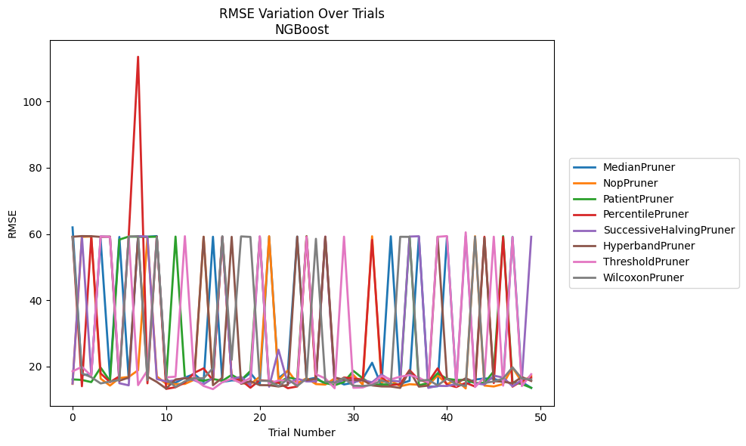
Trial | MedianPruner | NopPruner | PatientPruner | PercentilePruner | SuccessiveHalvingPruner | HyperbandPruner | ThresholdPruner | WilcoxonPruner
1 | 62.001593714 | 14.757206059 | 16.105357796 | 59.086013941 | 14.846467288 | 59.171695196 | 18.521407528 | 59.067078037
2 | 17.47424695 | 59.140753122 | 15.945451908 | 14.036116611 | 59.366147216 | 59.365799798 | 19.903053027 | 17.946993752
3 | 17.55867135 | 59.246472243 | 15.282929426 | 59.333376103 | 17.320324934 | 59.331609273 | 17.174227689 | 16.756898277
4 | 58.34018885 | 16.336163699 | 19.671202012 | 17.919914798 | 59.283880383 | 59.124854889 | 59.261929167 | 14.884727378
5 | 16.869869996 | 14.237714606 | 15.590695521 | 15.27057899 | 59.143445127 | 59.219712746 | 59.089308825 | 15.4646037
6 | 59.111309517 | 16.507831996 | 58.299462954 | 17.026758541 | 14.944801434 | 15.711508476 | 16.836705559 | 15.932517315
7 | 16.155532552 | 16.841904145 | 59.222616648 | 59.336318516 | 14.312245409 | 16.654122082 | 59.227199267 | 59.211498018
8 | 59.221630406 | 18.869486618 | 59.173461144 | 113.49545202 | 59.360335115 | 59.141254533 | 14.379600224 | 59.345089519
9 | 59.184702329 | 59.170349969 | 59.153035633 | 14.917759272 | 59.163193585 | 16.933723534 | 18.794484488 | 15.871197075
10 | 59.363441361 | 17.010751167 | 59.1703863 | 59.174344254 | 16.222311122 | 15.346597422 | 58.801468704 | 59.106276436
11 | 15.110511148 | 14.780654619 | 15.718505663 | 13.24134806 | 15.489913489 | 13.330428145 | 16.714366966 | 16.284191075
12 | 15.104225904 | 14.668143351 | 59.213919554 | 13.734141095 | 15.824321805 | 16.104708584 | 16.931059318 | 13.814380083
13 | 16.632665882 | 14.733239504 | 16.540352109 | 15.15597038 | 16.61107608 | 16.413487701 | 59.32737401 | 15.519351246
14 | 17.751884752 | 16.010145688 | 15.936313653 | 18.080712212 | 15.860571099 | 16.390011072 | 16.265796566 | 16.445656399
15 | 15.334084995 | 59.153725554 | 15.704000332 | 19.439731178 | 14.637109685 | 59.173833743 | 14.121507856 | 16.432629244
16 | 59.169545148 | 15.331399483 | 16.23805536 | 15.766038028 | 16.513255388 | 14.344318944 | 13.170983601 | 19.510770036
17 | 15.336693315 | 59.116747089 | 15.654648353 | 59.14595617 | 59.180084902 | 16.596652846 | 15.254930667 | 59.325973535
18 | 15.798748919 | 16.361299851 | 17.470484458 | 16.467500759 | 16.197259537 | 59.148830967 | 16.283148089 | 22.008834472
19 | 15.857669919 | 15.021067094 | 15.881390108 | 15.862457827 | 16.889227642 | 14.771853328 | 14.983849874 | 59.266229341
20 | 18.047944027 | 14.691805272 | 18.634615582 | 13.585856477 | 14.329288794 | 15.543976122 | 16.547934901 | 59.117505888
21 | 14.518975564 | 16.883855624 | 59.16398993 | 15.864918539 | 59.158525306 | 14.371094454 | 59.317045963 | 15.705570627
22 | 59.245321795 | 59.324768068 | 14.733019599 | 15.650426642 | 13.896499625 | 14.341950956 | 14.851518588 | 15.620513963
23 | 16.464261191 | 15.744590072 | 15.134429092 | 15.077877392 | 25.042431547 | 13.955579976 | 15.774271592 | 14.073724206
24 | 18.671055006 | 18.773549837 | 16.695351899 | 13.449271324 | 14.792955182 | 14.425303598 | 15.822706205 | 16.174594914
25 | 59.208755933 | 14.923330291 | 16.13854109 | 13.962013716 | 16.311457141 | 59.220930674 | 14.818894828 | 14.099517303
26 | 16.047368414 | 16.458491882 | 59.326838717 | 59.248944064 | 15.490624094 | 15.872546349 | 59.132590647 | 16.357903577
27 | 16.623833373 | 14.686663279 | 16.200135504 | 15.302350539 | 15.509049109 | 16.257879991 | 17.645586264 | 58.546994092
28 | 14.691551487 | 14.54206215 | 15.028326062 | 59.219686261 | 59.167854423 | 59.12012325 | 16.402310191 | 15.439771394
29 | 15.893269189 | 16.407240479 | 14.348961967 | 14.91638682 | 15.083455991 | 16.688339279 | 13.435558595 | 15.101344762
30 | 14.578752212 | 15.791980298 | 15.30569453 | 16.677614759 | 15.950236416 | 15.98870231 | 59.194669189 | 16.547159885
31 | 15.092185909 | 17.430304608 | 18.680754813 | 16.372512082 | 15.312947316 | 15.868844108 | 13.576220208 | 14.1815573
32 | 16.270025476 | 14.512902131 | 16.427404317 | 16.066839622 | 15.892190352 | 15.873990405 | 13.670649042 | 14.111726163
33 | 21.128670309 | 59.316925011 | 14.523186962 | 58.223196544 | 15.214192253 | 14.282466707 | 14.770585153 | 14.388866744
34 | 14.182277405 | 15.247533991 | 14.579808528 | 16.833003073 | 17.584942757 | 13.980558115 | 17.120725982 | 15.786709644
35 | 59.302664977 | 15.791342791 | 14.590026085 | 14.391989179 | 15.734209425 | 13.94569619 | 16.102186286 | 14.735598102
36 | 14.74297553 | 14.028933542 | 14.656451377 | 14.680036012 | 15.451838758 | 13.533014251 | 16.918123958 | 59.153375985
37 | 15.690947832 | 14.651999117 | 59.193117193 | 18.890395627 | 59.225048744 | 18.721522076 | 17.383130922 | 59.137904093
38 | 59.139247708 | 14.481113466 | 14.286529869 | 15.954060492 | 59.3216443 | 13.918429733 | 16.641488454 | 15.674871878
39 | 13.873853065 | 14.302141553 | 15.052260355 | 15.245361037 | 13.547853748 | 14.220859507 | 15.119328157 | 15.969403859
40 | 14.028870295 | 17.325843478 | 17.950381783 | 19.426370299 | 14.152438405 | 59.171263301 | 59.149515203 | 14.321441016
41 | 59.175366746 | 14.671709925 | 16.275738005 | 14.510130747 | 14.106547787 | 16.243597354 | 59.363716851 | 16.297093479
42 | 14.305470078 | 15.955293839 | 15.923713419 | 13.795644727 | 14.698092515 | 14.990194416 | 14.059068546 | 14.621660981
43 | 14.64479223 | 13.370074278 | 15.964116963 | 15.06563718 | 59.335787087 | 16.43133721 | 60.493868081 | 14.111721653
44 | 16.050501466 | 59.331318261 | 15.000151726 | 13.951117459 | 14.935677688 | 15.245844023 | 13.797602137 | 59.184166793
45 | 16.37656632 | 14.244714353 | 15.050685008 | 59.169394592 | 14.55384974 | 58.86251728 | 16.739563553 | 15.024918108
46 | 16.33998895 | 13.970582009 | 18.540867057 | 14.996737982 | 17.244849961 | 15.575021288 | 59.183144374 | 15.466373432
47 | 15.199020517 | 14.680636903 | 59.336525538 | 59.09919594 | 16.660133882 | 15.408224248 | 14.212930787 | 16.375022078
48 | 59.094286257 | 19.711402897 | 15.247016076 | 13.915334741 | 14.062587568 | 14.930277957 | 59.0693694 | 19.748308522
49 | 15.310992404 | 15.318988955 | 14.698339049 | 15.664813811 | 15.910899984 | 16.818251276 | 14.077996778 | 16.351211736
50 | 13.563101707 | 17.176184101 | 13.55976105 | 16.678165602 | 59.156417323 | 15.63069612 | 17.663685246 | 16.066432246

RMSE_Trials_TabNet
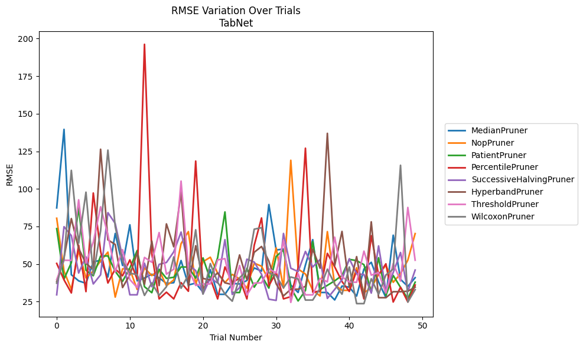
Trial | MedianPruner | NopPruner | PatientPruner | PercentilePruner | SuccessiveHalvingPruner | HyperbandPruner | ThresholdPruner | WilcoxonPruner
1 | 87.378480736 | 80.484927714 | 73.56104223 | 50.420254252 | 29.547247066 | 38.307618705 | 39.708919514 | 37.247507675
2 | 139.60718583 | 45.270590445 | 40.013467366 | 39.491148607 | 74.854680784 | 54.335201894 | 52.520197999 | 53.189517745
3 | 42.904380433 | 33.121586896 | 50.909888467 | 30.801564296 | 68.929960362 | 80.254965636 | 52.47262074 | 112.32930839
4 | 38.81444825 | 59.05067515 | 87.378480736 | 62.54459161 | 44.045175529 | 60.436627254 | 92.760348158 | 63.823237546
5 | 37.188792778 | 40.797855597 | 45.89484551 | 31.674751876 | 54.814447124 | 50.400538898 | 50.573660005 | 97.809111515
6 | 51.445519426 | 45.359403513 | 42.234270613 | 97.260760264 | 36.763244653 | 46.369808631 | 64.612272209 | 42.931594027
7 | 52.542478963 | 52.084820293 | 55.281487037 | 58.576432933 | 42.851296855 | 126.38372004 | 88.10320014 | 72.032047467
8 | 41.392137461 | 57.952725395 | 55.43760063 | 37.398769787 | 84.194541308 | 66.111467217 | 69.695826483 | 125.79896864
9 | 70.35500297 | 28.022814669 | 45.21540835 | 46.713296294 | 76.993028952 | 63.018272432 | 44.805533225 | 74.899252
10 | 49.047517377 | 46.837118189 | 38.479335398 | 42.201380156 | 54.479470493 | 34.369730478 | 59.595756335 | 51.932118502
11 | 76.111898383 | 46.544382838 | 47.318861622 | 52.791809413 | 29.547247066 | 42.822632119 | 39.708919514 | 43.986659538
12 | 38.81444825 | 33.121586896 | 59.022176451 | 39.895355023 | 29.547247066 | 57.256882583 | 34.342612188 | 42.931594027
13 | 40.717690977 | 47.438664674 | 34.927545905 | 196.19680281 | 50.562409864 | 36.540057616 | 54.410633552 | 29.149916837
14 | 43.241887077 | 42.321005752 | 30.956082158 | 56.98415709 | 34.920694368 | 65.319925989 | 51.16910417 | 37.452815066
15 | 40.835376392 | 46.057803403 | 46.530889979 | 26.835247595 | 49.79437737 | 35.70857139 | 70.940865384 | 29.149916837
16 | 37.125172806 | 35.572906974 | 40.453922894 | 31.27484976 | 51.051297754 | 76.714762415 | 43.284671222 | 34.914947648
17 | 37.593005372 | 39.450692634 | 41.209849887 | 26.835247595 | 58.118988143 | 61.489963809 | 46.618462203 | 54.750741761
18 | 52.344014922 | 63.592647528 | 48.069199599 | 37.658821147 | 71.277346758 | 97.968996953 | 105.19645392 | 33.911313955
19 | 36.079809157 | 71.603725842 | 48.003930318 | 31.910834842 | 49.829983294 | 35.198333175 | 46.87830268 | 42.780968628
20 | 37.330995259 | 36.576206007 | 40.654860488 | 118.50892596 | 45.653609395 | 62.178892829 | 35.788426777 | 72.801798711
21 | 31.283559991 | 51.566831958 | 54.090136087 | 33.122882077 | 30.099638914 | 40.388205659 | 36.772601433 | 30.053605162
22 | 46.248708053 | 54.544242144 | 39.747736466 | 40.333561853 | 40.691642504 | 39.445284484 | 36.772601433 | 50.288838721
23 | 29.870055467 | 43.897342431 | 54.1744836 | 26.835247595 | 37.389359943 | 44.160359442 | 52.78394903 | 37.932466154
24 | 29.870055467 | 37.637883455 | 84.666395561 | 48.069199599 | 66.24117088 | 37.541565319 | 53.60948011 | 30.053605162
25 | 37.10898983 | 43.126291248 | 31.066379531 | 37.917718116 | 29.769285309 | 36.31820501 | 32.244766385 | 25.313882314
26 | 36.763244653 | 40.134909698 | 31.066379531 | 40.435786594 | 34.291133044 | 56.059342765 | 49.035155284 | 40.873013775
27 | 39.03371665 | 33.989896499 | 47.217381765 | 26.835247595 | 53.230849046 | 39.561691465 | 29.35768181 | 45.513445731
28 | 47.415209807 | 50.612767831 | 34.603478669 | 62.493191231 | 51.318728292 | 57.843287552 | 37.368095243 | 73.189535386
29 | 45.326280148 | 48.573606765 | 42.279220832 | 80.671006906 | 43.236013263 | 61.688906662 | 37.481869169 | 74.223272666
30 | 89.589221726 | 39.285899557 | 33.991276079 | 35.477587776 | 26.612012289 | 52.003735325 | 46.915375163 | 44.208435045
31 | 59.352149636 | 60.737246208 | 55.08204467 | 44.682162082 | 25.81935345 | 36.863383243 | 44.009789408 | 42.270307633
32 | 59.961818349 | 33.989896499 | 59.390792571 | 26.835247595 | 70.361159662 | 28.80538133 | 65.656558827 | 34.176718623
33 | 36.079809157 | 119.03637089 | 34.361945605 | 28.325968152 | 47.244744902 | 33.262581254 | 24.510456722 | 41.392137461
34 | 31.092730375 | 46.727103814 | 25.454916785 | 47.458441937 | 44.997710084 | 33.262581254 | 43.63464393 | 40.074480084
35 | 49.346679605 | 43.380958229 | 32.390209777 | 127.06060582 | 58.416930271 | 35.092534051 | 29.506114995 | 26.050887096
36 | 66.24117088 | 32.525104577 | 64.884124916 | 31.311802127 | 48.054682032 | 59.915787927 | 29.506114995 | 26.050887096
37 | 31.092730375 | 28.808402871 | 33.014891572 | 32.043873483 | 53.075342225 | 47.279663803 | 40.534891634 | 33.740344724
38 | 31.092730375 | 71.584926182 | 35.843071125 | 57.12552066 | 27.157879563 | 136.96560849 | 38.151647879 | 46.618462203
39 | 26.137780084 | 36.252152246 | 38.83496742 | 48.178281486 | 33.122882077 | 49.033467752 | 67.887589988 | 36.673212176
40 | 35.392357373 | 32.525104577 | 42.357473652 | 38.378979242 | 39.613323796 | 71.707319901 | 41.566978057 | 29.961720444
41 | 34.635932922 | 32.525104577 | 53.134765368 | 31.774758699 | 53.531210289 | 34.646227271 | 38.055081514 | 48.069199599
42 | 28.701762277 | 47.569605728 | 52.267910678 | 45.637968642 | 43.533291845 | 54.948217093 | 37.877533607 | 23.68893582
43 | 46.713429018 | 31.01957608 | 49.610639509 | 26.835247595 | 43.028753651 | 27.628324457 | 58.591202672 | 23.68893582
44 | 51.16910417 | 34.027490861 | 31.08669216 | 68.866560705 | 30.692888766 | 78.095101149 | 42.620839462 | 40.21958312
45 | 38.138032445 | 43.113914808 | 54.20457884 | 42.747630486 | 62.075936315 | 27.628324457 | 44.357677215 | 29.850055165
46 | 27.756641513 | 49.083630575 | 29.108779109 | 50.181434075 | 32.513081609 | 27.628324457 | 30.734233515 | 42.747630486
47 | 69.194374083 | 37.863479412 | 42.443682517 | 24.766693139 | 44.340981166 | 31.616531642 | 50.356447433 | 46.689178624
48 | 39.849126071 | 43.550957554 | 34.490985851 | 34.532430124 | 57.692728946 | 31.616531642 | 38.731537359 | 115.71167158
49 | 35.135400661 | 52.61885198 | 26.94549169 | 24.766693139 | 31.761268156 | 31.940276064 | 87.643672082 | 24.677951993
50 | 40.944202915 | 70.276936279 | 37.970786869 | 36.055948026 | 46.02148588 | 34.634437304 | 52.565436949 | 33.014891572

RMSE_Trials_HistGradientBoosting
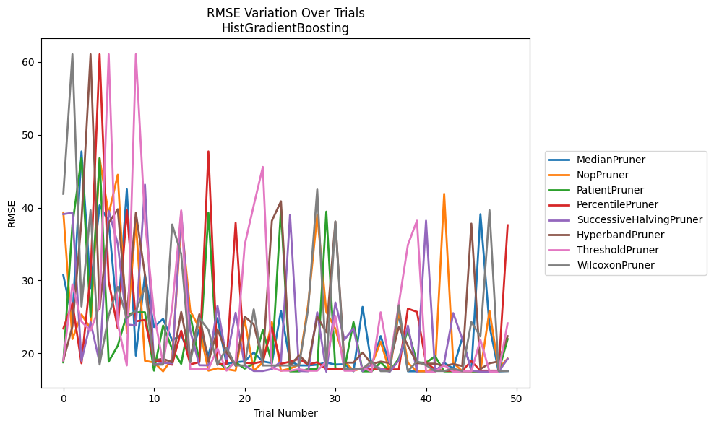
Trial | MedianPruner | NopPruner | PatientPruner | PercentilePruner | SuccessiveHalvingPruner | HyperbandPruner | ThresholdPruner | WilcoxonPruner
1 | 30.707244577 | 39.328854526 | 18.757836624 | 23.404084257 | 39.1040028 | 19.026869215 | 19.01539852 | 41.893471507
2 | 24.78069235 | 21.958729926 | 37.676895274 | 26.90482478 | 39.2946136 | 23.687094534 | 29.456410963 | 61.053528244
3 | 47.71326729 | 25.328636324 | 46.805640826 | 18.632199298 | 18.964036056 | 38.158098221 | 24.356646759 | 26.418277255
4 | 28.942927672 | 23.412644715 | 25.023970606 | 30.745441057 | 24.276890195 | 61.053528244 | 23.094626721 | 39.648521183
5 | 40.314349542 | 46.736101811 | 46.805640826 | 61.053528244 | 18.708924962 | 26.087838912 | 26.511213228 | 18.457000324
6 | 38.088442989 | 39.1040028 | 18.85738285 | 29.881504429 | 39.565706928 | 37.898234865 | 61.053528244 | 25.168483881
7 | 24.614020699 | 44.516550841 | 21.038345428 | 23.434213925 | 35.034551359 | 39.779649616 | 24.054266381 | 29.116311813
8 | 42.519311091 | 22.82412533 | 25.323242473 | 39.664980596 | 23.955821403 | 25.272923013 | 18.337791943 | 24.823092749
9 | 19.668003871 | 38.088442989 | 25.62942554 | 24.394640604 | 23.812520762 | 39.2946136 | 61.053528244 | 25.817297554
10 | 30.786724687 | 18.966794212 | 25.628903333 | 24.58029701 | 43.157242132 | 30.778606808 | 38.158098221 | 29.019306038
11 | 23.605216116 | 18.739288107 | 17.621261733 | 18.880986331 | 18.436356852 | 19.026869215 | 25.442162689 | 18.411376488
12 | 24.726966257 | 17.525562323 | 23.811454255 | 18.916512587 | 18.688086826 | 19.249280178 | 18.596971635 | 18.457000324
13 | 21.775843515 | 19.270028052 | 20.580487936 | 18.442718484 | 18.626089974 | 18.762486429 | 26.184364915 | 37.676895274
14 | 22.517992265 | 38.207494967 | 18.549685451 | 23.094626721 | 39.454445293 | 25.672690378 | 39.620576668 | 33.61481825
15 | 19.668003871 | 25.803752945 | 25.227644171 | 18.490256092 | 23.094626721 | 19.228853519 | 17.823979543 | 18.785031545
16 | 23.316664489 | 23.492243486 | 18.901140532 | 18.785031545 | 18.363772698 | 25.361416513 | 17.823979543 | 24.850417576
17 | 19.668003871 | 17.618020475 | 39.2946136 | 47.714056364 | 18.347009908 | 18.810699688 | 17.823979543 | 23.215684814
18 | 24.823092749 | 17.938838871 | 18.847281276 | 18.490256092 | 26.511213228 | 23.291966386 | 20.656645677 | 18.411376488
19 | 18.552173618 | 17.811618053 | 17.898893906 | 18.575661523 | 19.186977125 | 20.131378445 | 17.621261733 | 20.752649272
20 | 18.785031545 | 17.618020475 | 18.762486429 | 37.914828624 | 25.566115032 | 18.277958061 | 18.907333934 | 18.338253499
21 | 18.879420676 | 24.580441334 | 17.896793673 | 18.702794397 | 18.347009908 | 25.035606315 | 34.883469045 | 18.330707966
22 | 20.114923321 | 17.618020475 | 18.59339825 | 18.619517374 | 17.573225942 | 23.982599506 | 40.314349542 | 26.040499562
23 | 18.879420676 | 18.742311803 | 23.215684814 | 18.879420676 | 17.573225942 | 18.963484598 | 45.583714509 | 18.330707966
24 | 18.659318935 | 24.295177394 | 18.666094959 | 23.558284687 | 17.835377405 | 38.183514616 | 18.021255697 | 18.330876663
25 | 25.84828122 | 17.611217241 | 39.779581724 | 18.550522217 | 18.891748806 | 40.870795213 | 17.621261733 | 18.330707966
26 | 18.901645352 | 17.893025529 | 17.525562323 | 18.85412223 | 39.009673004 | 18.277958061 | 17.621261733 | 18.330707966
27 | 18.337791943 | 18.454900498 | 17.525562323 | 19.235464402 | 17.573225942 | 19.739794512 | 17.811618053 | 18.330707966
28 | 18.337791943 | 26.703705195 | 17.824566266 | 18.457554169 | 17.533121938 | 18.52936388 | 17.611217241 | 26.096637145
29 | 18.442518426 | 39.000300287 | 17.811618053 | 18.778204431 | 25.628903333 | 25.035606315 | 17.611217241 | 42.488862384
30 | 18.718993814 | 25.69821859 | 39.447805235 | 17.808721761 | 17.478689382 | 22.900580666 | 18.870812137 | 18.277958061
31 | 18.464850751 | 23.368913732 | 17.938838871 | 17.812286062 | 26.975088518 | 38.088442989 | 25.132281146 | 38.088442989
32 | 18.500247315 | 18.933392777 | 17.811618053 | 17.7951782 | 21.859663957 | 18.718521727 | 17.611217241 | 17.835377405
33 | 17.533121938 | 17.621581613 | 24.295177394 | 17.812286062 | 23.440994361 | 18.718521727 | 17.611217241 | 17.90564889
34 | 26.370136604 | 17.938838871 | 17.525562323 | 17.812286062 | 17.551592666 | 20.104241072 | 18.05663944 | 17.904522217
35 | 18.337791943 | 18.411376488 | 17.525562323 | 17.7951782 | 18.485641687 | 18.52936388 | 17.478689382 | 18.88802812
36 | 22.359689374 | 21.57549533 | 18.782092501 | 17.7951782 | 17.896793673 | 18.863946974 | 25.628903333 | 17.557032994
37 | 18.467248305 | 17.531758843 | 17.525562323 | 17.7951782 | 17.478689382 | 18.658471613 | 18.676263337 | 17.557032994
38 | 25.442162689 | 25.804324667 | 19.270028052 | 17.7951782 | 19.026869215 | 23.66409261 | 26.789385305 | 26.596447017
39 | 17.533121938 | 18.694563763 | 23.209103608 | 26.127710067 | 23.797153779 | 21.037275262 | 34.883469045 | 17.557032994
40 | 17.533121938 | 17.531758843 | 18.747195478 | 25.687732332 | 17.478689382 | 18.658471613 | 38.207494967 | 18.891748806
41 | 17.533121938 | 17.531758843 | 18.701343628 | 18.71905849 | 38.207494967 | 18.580420173 | 17.478689382 | 18.376209715
42 | 17.533121938 | 17.904522217 | 19.589267861 | 17.7951782 | 17.51989301 | 18.580420173 | 17.478689382 | 17.573225942
43 | 18.701343628 | 41.893471507 | 17.525562323 | 17.611217241 | 18.701343628 | 18.259069914 | 18.386239849 | 17.573225942
44 | 17.90564889 | 18.694563763 | 17.51989301 | 17.611217241 | 25.514999201 | 18.52936388 | 17.478689382 | 17.900157395
45 | 22.147029147 | 17.557032994 | 17.51989301 | 17.621261733 | 21.98102468 | 18.259069914 | 17.51989301 | 17.573225942
46 | 17.557032994 | 17.531758843 | 17.51989301 | 18.933392777 | 17.618020475 | 37.797851936 | 17.51989301 | 24.295177394
47 | 39.09551119 | 17.531758843 | 17.51989301 | 17.621261733 | 17.478689382 | 17.835377405 | 21.859663957 | 22.324388147
48 | 23.791821791 | 25.853080739 | 17.51989301 | 17.621261733 | 17.478689382 | 18.632199298 | 17.478689382 | 39.647866458
49 | 17.51989301 | 17.900157395 | 17.51989301 | 17.621261733 | 17.478689382 | 18.885539112 | 17.478689382 | 17.557032994
50 | 17.573225942 | 19.27943881 | 21.958729926 | 37.581667004 | 19.242324301 | 22.352834752 | 24.128723562 | 17.557032994

RMSE_Trials_PGBM
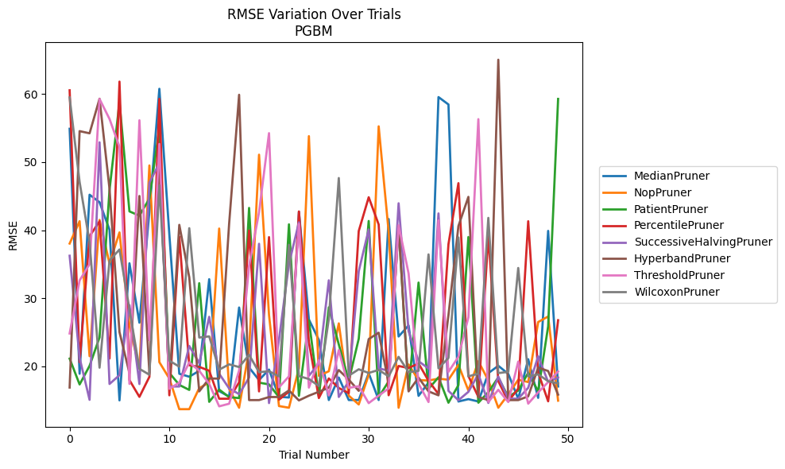
Trial | MedianPruner | NopPruner | PatientPruner | PercentilePruner | SuccessiveHalvingPruner | HyperbandPruner | ThresholdPruner | WilcoxonPruner
1 | 54.9061228 | 38.033918141 | 21.113419123 | 60.562589602 | 36.238040129 | 16.866919503 | 24.811260218 | 59.508206523
2 | 18.891270177 | 41.319103472 | 17.320241221 | 20.597514045 | 21.232696936 | 54.558794711 | 32.611261359 | 47.072572871
3 | 45.209791468 | 21.475864417 | 20.056029203 | 39.116933493 | 15.058825422 | 54.238935499 | 34.998521936 | 38.249652201
4 | 44.108998132 | 41.509239276 | 24.236007112 | 41.294824016 | 52.911672153 | 59.319436534 | 59.285305022 | 19.783842747
5 | 40.065971575 | 35.113346056 | 45.891680105 | 21.126460433 | 17.38933524 | 46.071837523 | 56.347139246 | 35.51237057
6 | 14.97757073 | 39.671180154 | 58.83257053 | 61.837863162 | 18.685649729 | 25.015075249 | 52.259961438 | 37.163167349
7 | 35.13157965 | 25.983969503 | 42.759938996 | 17.961855156 | 28.975685724 | 18.980736113 | 17.399706523 | 28.368782365
8 | 26.393590107 | 19.635098123 | 42.133029635 | 15.493673008 | 17.380420154 | 45.025566752 | 56.155097619 | 19.617242503
9 | 42.753492407 | 49.512331441 | 44.63119618 | 18.438209992 | 46.985862552 | 18.994269775 | 23.849318797 | 18.75071839
10 | 60.781596456 | 20.595255677 | 55.023263649 | 59.305064212 | 49.845593794 | 50.190040179 | 52.674686282 | 46.580031105
11 | 39.41801962 | 18.203754274 | 19.022492192 | 15.724693865 | 17.017316349 | 17.357850705 | 16.677400499 | 20.810623942
12 | 18.891270177 | 13.684195198 | 17.253270147 | 39.042189077 | 17.017316349 | 40.780861124 | 17.595612332 | 19.938040723
13 | 18.45757805 | 13.684195198 | 16.515577599 | 20.141629242 | 22.976558931 | 33.071954517 | 20.56335427 | 40.288158002
14 | 19.326353608 | 16.775362122 | 32.204262147 | 19.905837942 | 20.4560148 | 16.298506493 | 19.326282785 | 24.214896019
15 | 32.791919173 | 17.598454145 | 14.761425597 | 19.333483528 | 27.262056453 | 18.195870675 | 17.403383646 | 24.3869246
16 | 16.337065845 | 40.237947167 | 16.569516004 | 15.220779256 | 18.898641666 | 18.178467459 | 14.104012969 | 19.491454737
17 | 15.53455442 | 16.658667586 | 15.454235804 | 15.220779256 | 16.735389972 | 40.961391728 | 14.486153114 | 20.275009088
18 | 28.628330384 | 13.895904794 | 15.313435639 | 17.629528245 | 15.903394203 | 59.901646506 | 19.385118753 | 19.877793839
19 | 19.807635347 | 22.366221138 | 43.269853648 | 39.951198588 | 18.317637062 | 15.020845704 | 34.743143055 | 21.6680648
20 | 17.970482622 | 51.094619929 | 17.584675486 | 16.298101925 | 37.996884728 | 15.020845704 | 42.641384452 | 19.11993026
21 | 19.502473475 | 27.539732708 | 17.329427788 | 38.978475268 | 14.579562562 | 15.469504003 | 54.261361034 | 19.260592261
22 | 15.52057557 | 14.143153335 | 15.454235804 | 15.075724764 | 23.893799739 | 15.469504003 | 16.897104027 | 18.511751328
23 | 15.394929734 | 13.895904794 | 40.855256396 | 16.273907869 | 35.036106046 | 16.438440288 | 18.508936832 | 37.846064766
24 | 42.703053906 | 19.699405174 | 15.647384484 | 42.752432373 | 41.152424604 | 14.972948927 | 40.922588002 | 18.546407173
25 | 26.868551514 | 53.820639825 | 26.758937416 | 23.531854135 | 18.593740309 | 15.665867995 | 16.858017144 | 18.12133716
26 | 23.874133527 | 18.582955018 | 15.493673008 | 15.319169029 | 20.367193501 | 16.245848403 | 20.894323617 | 17.082821238
27 | 15.031331536 | 19.261593692 | 28.651855791 | 18.2017631 | 32.629558018 | 16.84502478 | 15.707176398 | 26.948787178
28 | 18.332714587 | 26.296318849 | 23.197310445 | 16.801422868 | 15.481119785 | 19.435414803 | 22.376859429 | 47.665388523
29 | 15.031331536 | 15.673194335 | 17.849865869 | 16.037460402 | 17.763004252 | 18.021281394 | 16.820342692 | 18.60467837
30 | 15.031331536 | 14.377645442 | 24.031662124 | 39.866753274 | 33.95388907 | 16.379846851 | 17.059393839 | 19.550191708
31 | 18.980630439 | 18.727118549 | 41.349225128 | 44.836068434 | 40.107099108 | 23.98837333 | 14.574274346 | 19.008423921
32 | 15.031331536 | 55.26400216 | 15.454235804 | 40.832109973 | 19.692191545 | 24.924732631 | 15.673921787 | 19.455922466
33 | 41.635357146 | 39.788833734 | 17.774212974 | 15.733962775 | 19.332450663 | 17.510876335 | 16.733534621 | 18.511751328
34 | 24.367950098 | 13.895904794 | 40.523743775 | 20.034901669 | 43.952181205 | 40.631040597 | 40.727758055 | 21.37636939
35 | 25.996367352 | 20.258593746 | 16.440128328 | 19.733068195 | 25.161688531 | 16.297311998 | 33.63721758 | 19.135330108
36 | 15.64188866 | 17.966044842 | 32.295988007 | 20.407502315 | 20.741238554 | 18.315637049 | 17.426065485 | 19.320616288
37 | 17.592005052 | 17.896129934 | 16.669794706 | 17.858042054 | 19.665553263 | 16.298101925 | 14.737580045 | 36.436138543
38 | 59.563178138 | 18.171081301 | 18.366919324 | 15.903394203 | 42.461263459 | 15.720724796 | 41.441183368 | 19.687366134
39 | 58.478255695 | 18.011395718 | 14.632988685 | 37.93588567 | 16.374877675 | 27.49553374 | 19.173474524 | 21.211277091
40 | 14.812428155 | 20.200400244 | 17.218988585 | 46.908516732 | 14.997701194 | 40.607651478 | 21.383073021 | 38.928059116
41 | 15.158028714 | 16.432525303 | 38.993565168 | 18.55765991 | 16.235028879 | 44.892979792 | 27.183976169 | 18.523064833
42 | 14.812428155 | 20.733598678 | 14.632988685 | 15.494256031 | 18.840900169 | 15.469504003 | 56.31734029 | 18.897848984
43 | 18.977418692 | 17.915553746 | 16.193733139 | 39.216386667 | 14.600742022 | 15.019528518 | 14.737580045 | 41.805587597
44 | 20.062113839 | 13.895904794 | 18.346847673 | 17.811505717 | 18.478163306 | 65.057472707 | 16.531873739 | 18.986556617
45 | 18.874202033 | 15.856525815 | 15.481119785 | 14.82592674 | 15.23093663 | 15.019528518 | 14.736493004 | 19.173698994
46 | 15.211730893 | 18.006778044 | 16.421766261 | 16.720979898 | 15.23093663 | 15.019528518 | 20.684701209 | 34.440867487
47 | 21.031698938 | 17.667739784 | 19.043396789 | 41.313491213 | 16.825317504 | 15.572068301 | 14.497416467 | 18.521411117
48 | 15.348012462 | 26.494781185 | 16.302535491 | 19.064086702 | 21.461473055 | 19.795723603 | 16.156213316 | 18.805999689
49 | 39.89571836 | 27.312102376 | 25.859817491 | 14.842016861 | 17.683437888 | 19.295779232 | 17.666650167 | 17.798210386
50 | 17.021772921 | 14.935754382 | 59.294117187 | 26.76239832 | 18.346670115 | 15.821671085 | 19.231686986 | 17.4754407

