RMSE_Trials_Random Forest
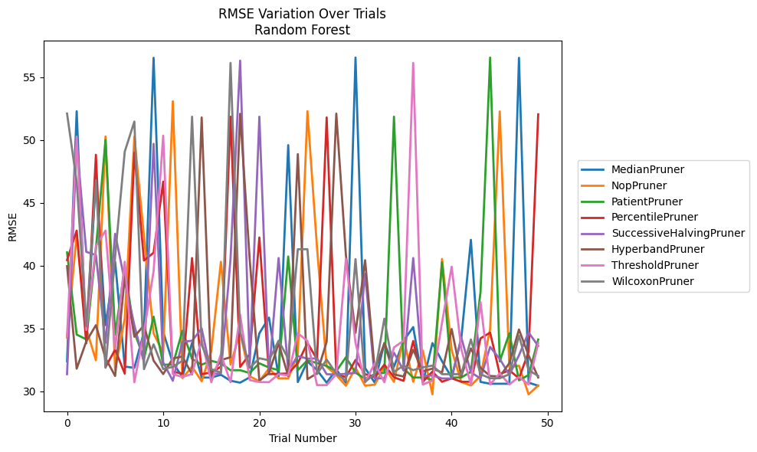
Trial | MedianPruner | NopPruner | PatientPruner | PercentilePruner | SuccessiveHalvingPruner | HyperbandPruner | ThresholdPruner | WilcoxonPruner
1 | 32.378629851 | 34.25954824 | 41.041695929 | 40.436009451 | 31.347239909 | 39.949433103 | 34.41632053 | 52.100940053
2 | 52.287900015 | 42.458586853 | 34.499541892 | 42.781780243 | 49.692021098 | 31.785963103 | 50.272749231 | 46.667195723
3 | 33.822098809 | 34.986466133 | 34.121878691 | 33.820114763 | 41.090441083 | 33.957061212 | 34.863035881 | 35.161964237
4 | 46.931964293 | 32.454290303 | 41.298549616 | 48.81730995 | 40.833443573 | 35.249914912 | 41.544854968 | 46.799887686
5 | 35.249558026 | 50.275885657 | 50.005526826 | 31.907954167 | 33.845161457 | 32.620096274 | 42.781151021 | 31.858868935
6 | 40.29907527 | 31.673333549 | 34.490486077 | 33.3021357 | 42.529501044 | 31.205905872 | 33.368318416 | 40.728033162
7 | 31.952942085 | 35.782743586 | 39.803389418 | 31.392416152 | 38.755021792 | 39.079733156 | 40.302161684 | 49.068257059
8 | 31.852212382 | 50.272749231 | 34.688896954 | 48.994892674 | 35.244702457 | 34.327237659 | 30.703851074 | 51.4642983
9 | 34.710228379 | 42.301949279 | 32.584849632 | 40.393257345 | 32.280200147 | 35.244307392 | 34.694807439 | 31.750676546
10 | 56.540697282 | 34.602392272 | 35.929014885 | 41.020517788 | 49.692021098 | 32.42292468 | 39.543088526 | 33.724195156
11 | 34.711583747 | 33.050165735 | 32.106218714 | 46.684545513 | 32.277264276 | 31.354826879 | 50.341466336 | 31.752079358
12 | 32.233509943 | 53.080697365 | 32.10684297 | 31.546760266 | 30.820017458 | 32.599762846 | 31.35277008 | 31.92775658
13 | 31.137887871 | 31.032176333 | 34.808042436 | 31.392416152 | 33.920740903 | 32.755862807 | 31.128582422 | 32.419389804
14 | 33.840129922 | 31.948843266 | 32.55850498 | 40.595141428 | 34.009769198 | 31.326490112 | 31.367998115 | 51.854181846
15 | 31.077523896 | 30.782188858 | 32.10684297 | 31.34984734 | 34.98483744 | 51.791638524 | 34.086008158 | 33.697782234
16 | 31.077523896 | 33.189064638 | 32.409912349 | 31.482233742 | 31.344819772 | 31.206156265 | 30.703104693 | 31.751813413
17 | 31.300140432 | 40.29907527 | 32.216676391 | 31.942025505 | 31.425329422 | 32.467558659 | 32.935909542 | 31.473673428
18 | 30.824492692 | 32.10684297 | 31.663103654 | 51.854181846 | 40.509613801 | 32.697536937 | 30.710002782 | 56.130217528
19 | 30.67268358 | 34.678280467 | 31.663103654 | 31.921630372 | 56.319263628 | 52.082858207 | 36.078121222 | 34.67458532
20 | 31.096981993 | 31.176206914 | 31.438689095 | 32.941044953 | 32.140664188 | 40.436009451 | 30.874956907 | 31.858864165
21 | 34.602374454 | 30.782188858 | 32.213620663 | 42.232694446 | 51.854181846 | 30.835144207 | 30.719723056 | 32.614120575
22 | 35.85478263 | 31.801256875 | 31.876555729 | 31.34984734 | 31.344888345 | 31.436295171 | 30.710002782 | 32.454293555
23 | 31.166581109 | 31.013863361 | 31.667863035 | 31.374148438 | 40.595141428 | 33.801161276 | 31.3445359 | 34.016257876
24 | 49.588392089 | 31.013863361 | 40.720680337 | 31.403015319 | 31.660334376 | 31.201217692 | 31.25500242 | 32.584838544
25 | 30.719026724 | 32.951059257 | 31.663103654 | 32.216999678 | 32.78910228 | 48.87460587 | 34.612323283 | 41.298549616
26 | 32.360874723 | 52.287900015 | 32.453074232 | 33.841839457 | 32.584762869 | 30.94568493 | 33.984314256 | 41.298549616
27 | 31.673333549 | 41.389878331 | 32.232694139 | 32.53152658 | 32.604333608 | 31.423741985 | 30.474545177 | 31.360274595
28 | 30.666686414 | 31.946853741 | 32.000571952 | 51.791638524 | 31.345808286 | 33.935262375 | 30.474545177 | 32.513349048
29 | 31.723210747 | 31.272243073 | 31.590611579 | 31.351236278 | 31.320619476 | 52.100940053 | 31.348275909 | 31.393670623
30 | 30.666686414 | 30.428982627 | 32.691418539 | 31.111039181 | 31.375401951 | 40.833443573 | 40.525714396 | 30.82531879
31 | 56.562133705 | 31.860667659 | 31.46197958 | 32.480166135 | 31.448472117 | 34.640356661 | 33.830071059 | 40.509613801
32 | 31.832075717 | 30.428982627 | 30.987098234 | 31.351236278 | 39.340666961 | 40.421605226 | 30.703158461 | 30.732279554
33 | 30.666686414 | 30.513879175 | 31.346006421 | 31.111039181 | 31.016912455 | 31.672993333 | 32.216676391 | 31.381827926
34 | 33.825353031 | 31.928928742 | 31.46197958 | 32.10684297 | 31.016912455 | 33.805336159 | 30.703104693 | 35.767404632
35 | 31.935669446 | 30.735728462 | 51.854181846 | 31.101824317 | 33.056223626 | 31.331623352 | 33.474595453 | 31.522436407
36 | 34.009764661 | 34.285676333 | 31.795962461 | 30.815160749 | 31.637180134 | 31.160589825 | 34.016257876 | 32.036397635
37 | 35.097503455 | 30.738906754 | 31.082089379 | 33.989747806 | 40.595141428 | 33.2946207 | 56.130217528 | 31.669631551
38 | 30.666686414 | 33.228689966 | 31.082089379 | 30.743699167 | 31.202204146 | 31.581533367 | 30.524771456 | 31.893975175
39 | 33.825353031 | 29.741646849 | 30.903571318 | 31.550120284 | 31.254465778 | 31.793513222 | 30.837661048 | 32.029975042
40 | 32.377730365 | 40.525714396 | 40.25933842 | 30.743699167 | 31.004884372 | 31.480536644 | 35.445246217 | 31.34502946
41 | 31.07616754 | 33.264400684 | 31.082089379 | 31.019031347 | 31.004884372 | 34.944738987 | 39.908126218 | 31.346094933
42 | 34.174776313 | 30.724931042 | 31.082089379 | 30.743699174 | 34.275721135 | 31.201217692 | 33.34733445 | 31.34502946
43 | 42.049460419 | 30.447049855 | 31.539540293 | 30.743699174 | 31.486978273 | 33.401714479 | 30.528695963 | 34.110678872
44 | 30.733474172 | 31.212332008 | 37.87642669 | 34.1995588 | 31.012495535 | 31.852966911 | 37.086651329 | 31.346094933
45 | 30.58495554 | 34.933380148 | 56.562133705 | 34.657830624 | 33.519012188 | 31.206361018 | 30.532866335 | 31.023227537
46 | 30.58495554 | 52.26881804 | 32.365158284 | 31.355660971 | 32.562939758 | 31.160589825 | 31.41229976 | 31.023227537
47 | 30.58495554 | 31.895618211 | 34.602392272 | 31.656596241 | 31.296393601 | 32.229246906 | 30.532866335 | 31.341813999
48 | 56.540697282 | 32.020360266 | 30.859455414 | 31.018333538 | 32.847694285 | 34.906939326 | 31.123931447 | 34.423735208
49 | 30.674503172 | 29.741646849 | 31.281393066 | 33.126890505 | 34.669539716 | 32.851200624 | 30.532866335 | 31.66798512
50 | 30.428982627 | 30.447049855 | 34.10851901 | 52.040003664 | 33.59643312 | 31.07953232 | 33.820071347 | 31.209524965

RMSE_Trials_Gradient Boosting
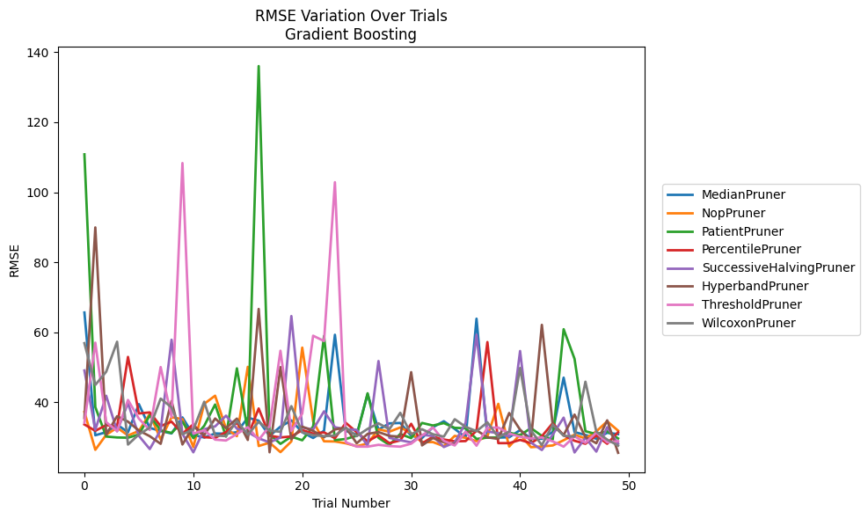
Trial | MedianPruner | NopPruner | PatientPruner | PercentilePruner | SuccessiveHalvingPruner | HyperbandPruner | ThresholdPruner | WilcoxonPruner
1 | 65.661003189 | 37.251977357 | 110.8399936 | 33.681634556 | 49.1019268 | 35.523054451 | 34.200949417 | 56.896484385
2 | 30.59123053 | 26.442921019 | 38.639769653 | 31.864859112 | 32.168172574 | 89.958680731 | 57.034739885 | 44.979866324
3 | 31.477904512 | 30.719762281 | 30.228370634 | 33.497599994 | 41.873178938 | 30.76606 | 34.354874159 | 48.739036794
4 | 33.631374825 | 32.759157719 | 29.963155104 | 33.044830337 | 31.721486275 | 36.039042178 | 31.768028235 | 57.311158146
5 | 31.448593238 | 30.539597104 | 29.88977787 | 52.967214574 | 39.757602721 | 34.478630867 | 40.677898509 | 27.935272018
6 | 39.49362106 | 31.81193067 | 30.81730462 | 36.818272476 | 30.424349551 | 31.956136228 | 35.33762515 | 30.820339083
7 | 32.695981334 | 36.710446708 | 36.264334989 | 37.125097944 | 26.657715594 | 30.329325954 | 32.105086105 | 32.782872058
8 | 31.817646728 | 29.387640916 | 31.977928799 | 33.22979261 | 32.085781755 | 28.150063518 | 50.074240392 | 41.055341848
9 | 31.111684897 | 35.730231158 | 31.254859119 | 34.476116452 | 57.881998486 | 40.360712335 | 35.765703767 | 38.569582476
10 | 35.694792215 | 35.213156387 | 34.432188934 | 31.06048549 | 31.014716278 | 27.955199274 | 108.34729718 | 30.892001944
11 | 30.696170247 | 27.217827486 | 29.767682635 | 33.734878753 | 25.721448646 | 33.177254582 | 31.052955113 | 32.188259877
12 | 29.937873495 | 39.575458965 | 33.279711823 | 30.045239435 | 32.319735329 | 30.629119781 | 32.046375375 | 40.162319479
13 | 31.100743572 | 41.888122318 | 39.383591603 | 29.842271099 | 33.125279264 | 35.378571005 | 29.344853359 | 30.532803406
14 | 31.051322553 | 32.519894951 | 30.214663211 | 31.533456276 | 36.185930531 | 32.65153772 | 29.096602708 | 30.346564315
15 | 31.474480812 | 30.339319577 | 49.704853358 | 34.14197553 | 32.480649776 | 35.349898388 | 30.958035297 | 34.691407317
16 | 35.616452298 | 50.138606186 | 31.77250718 | 30.326170618 | 31.477806961 | 29.254646263 | 32.905470265 | 30.730167859
17 | 34.757574771 | 27.524574648 | 136.05126734 | 38.250027353 | 29.709975892 | 66.672544015 | 29.293843706 | 34.450814137
18 | 30.4262464 | 28.479463903 | 30.873792345 | 30.452956458 | 28.553204204 | 25.728690626 | 33.170142653 | 31.909030866
19 | 33.052166688 | 25.773965314 | 28.139879584 | 29.968447258 | 29.960135686 | 50.056018695 | 54.733581566 | 31.58544264
20 | 34.840482308 | 28.843595691 | 30.202960561 | 30.257164187 | 64.643601756 | 29.433279027 | 31.824021372 | 38.916086582
21 | 31.455086216 | 55.631327819 | 29.167228805 | 32.06355498 | 32.786955872 | 33.053963137 | 36.789021652 | 31.423222095
22 | 29.814242045 | 34.54934013 | 33.123702109 | 31.090747811 | 32.248545204 | 31.856547722 | 59.024200865 | 30.624346155
23 | 31.871649372 | 28.86777024 | 58.95260858 | 31.410063685 | 37.425774137 | 30.02686736 | 57.512303624 | 30.346564315
24 | 59.296886578 | 28.817522254 | 29.204367589 | 29.760718229 | 32.892194643 | 32.253940853 | 102.87007054 | 30.504110182
25 | 31.82959144 | 28.29799893 | 29.531807106 | 34.139344833 | 32.291791186 | 32.797656519 | 28.588782163 | 32.733493835
26 | 30.773788564 | 27.476198465 | 30.445630925 | 31.465754872 | 32.150691104 | 28.298270232 | 27.358167201 | 30.346564315
27 | 42.349908644 | 28.224452307 | 42.581364467 | 28.863410546 | 27.581008374 | 30.976399309 | 27.339398183 | 32.413469416
28 | 32.196423772 | 32.291673267 | 29.860394008 | 30.584426734 | 51.794644201 | 31.509429428 | 27.861167051 | 33.993844984
29 | 33.992016965 | 31.610839375 | 27.818901816 | 28.344271114 | 29.848240784 | 30.415278362 | 27.507736469 | 32.324007632
30 | 34.103056484 | 32.825302217 | 30.965566926 | 29.128949897 | 29.171079083 | 30.183693362 | 27.339398183 | 37.008747901
31 | 30.450718623 | 31.194503323 | 29.780551869 | 33.866539634 | 28.553204204 | 48.619773062 | 28.192362037 | 30.883774661
32 | 29.803184607 | 28.623459951 | 34.111209665 | 28.287120116 | 30.730167859 | 27.700102856 | 30.517489841 | 32.305946891
33 | 32.897148822 | 28.646738741 | 33.380872446 | 30.162562917 | 30.382217473 | 29.801799504 | 32.847182721 | 30.887963361
34 | 34.597361412 | 27.476198465 | 34.069605132 | 29.379975678 | 27.226807976 | 28.573748413 | 28.992981228 | 30.207242863
35 | 32.413199187 | 30.415780239 | 32.713969022 | 28.863410546 | 28.523496295 | 28.046901363 | 27.673855977 | 35.176554902
36 | 29.966836631 | 29.861265315 | 32.586421746 | 28.930451914 | 34.141647855 | 31.391572912 | 31.593754596 | 32.997633313
37 | 63.891569726 | 28.906047773 | 29.546012528 | 31.888925567 | 59.300707397 | 32.039376874 | 27.619401863 | 31.753634783
38 | 29.925367961 | 30.306224232 | 29.933123594 | 57.2148054 | 31.642035567 | 29.997413203 | 32.750408462 | 34.286128657
39 | 29.925367961 | 39.567512987 | 29.963641289 | 28.344271114 | 31.201082681 | 29.538400039 | 32.801112464 | 30.061479814
40 | 30.015446625 | 27.379846026 | 31.343122782 | 28.344271114 | 30.230095934 | 36.950600483 | 31.091489001 | 31.631591362
41 | 32.060547315 | 30.781964902 | 30.615767543 | 29.265462613 | 54.659544225 | 32.189582849 | 30.190856213 | 49.820173782
42 | 29.619341316 | 27.186265549 | 32.638502467 | 28.344271114 | 28.523496295 | 28.99596712 | 29.65929599 | 31.954482574
43 | 29.58914211 | 27.397059297 | 30.411678353 | 30.312507984 | 26.380408365 | 62.132343199 | 29.968233479 | 27.76856295
44 | 31.546784269 | 27.681914312 | 29.416781224 | 34.051490288 | 30.775125197 | 33.442035553 | 28.854372965 | 33.63126394
45 | 47.046145699 | 29.168121815 | 60.883887535 | 30.577906136 | 35.626980512 | 30.656290886 | 27.339184774 | 30.453081327
46 | 31.502524438 | 30.762206056 | 52.435094465 | 29.016559494 | 25.685788536 | 36.497462808 | 30.302771704 | 30.207242863
47 | 30.681545993 | 29.674457242 | 31.751766098 | 28.165581438 | 29.920024737 | 30.06665497 | 28.438828591 | 45.88848726
48 | 29.58914211 | 31.693273413 | 30.90234947 | 30.513662519 | 25.923899366 | 28.316597376 | 31.342995686 | 31.645337611
49 | 31.295646204 | 34.580849131 | 31.736657669 | 28.165581438 | 32.898226345 | 34.863127327 | 28.584016215 | 29.353299259
50 | 30.911066508 | 31.902078306 | 29.686159098 | 31.484123482 | 28.204445668 | 25.584111796 | 28.891458908 | 27.642066055

RMSE_Trials_XGBoost
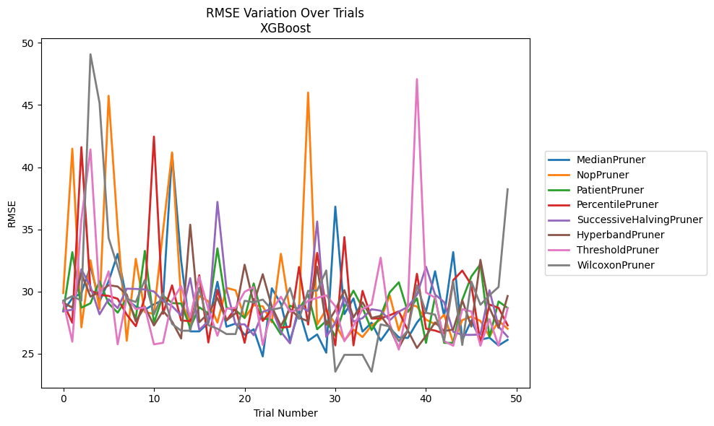
Trial | MedianPruner | NopPruner | PatientPruner | PercentilePruner | SuccessiveHalvingPruner | HyperbandPruner | ThresholdPruner | WilcoxonPruner
1 | 28.436397858 | 29.887194327 | 28.412353666 | 29.100627082 | 28.445005663 | 29.106323017 | 29.190703451 | 29.270490202
2 | 29.464942921 | 41.493769534 | 33.167442223 | 27.491216193 | 28.534169912 | 28.710778061 | 25.970725378 | 29.637446497
3 | 29.883395623 | 27.12335622 | 28.701850178 | 41.612953986 | 31.787208681 | 31.45719399 | 35.812667021 | 29.272117664
4 | 32.02221862 | 32.521773806 | 29.058398148 | 30.097407577 | 30.405610661 | 29.597987998 | 41.433153111 | 49.086546157
5 | 29.200243763 | 28.592547149 | 30.836756941 | 29.730307336 | 28.170998626 | 29.967007615 | 29.583126558 | 45.17112374
6 | 30.823068041 | 45.747246331 | 29.0472963 | 29.652811766 | 29.384947825 | 30.511163388 | 31.627473154 | 34.315077388
7 | 33.032016828 | 35.073912261 | 28.306383428 | 29.41978281 | 28.669882424 | 30.407970227 | 25.759753112 | 31.983036313
8 | 29.35821911 | 26.042854791 | 29.429583803 | 28.145900437 | 30.230946996 | 29.758171434 | 29.529249271 | 29.414407991
9 | 28.788664982 | 32.632712436 | 27.845914575 | 27.217405652 | 30.212575919 | 27.605472896 | 28.594202524 | 29.160555768
10 | 28.539830266 | 28.347067104 | 33.270851882 | 29.54236522 | 30.171272165 | 28.786113316 | 28.734583163 | 30.939769685
11 | 28.980851791 | 28.207358798 | 27.478804865 | 42.464850757 | 30.005886263 | 27.274058509 | 25.75795349 | 28.163663745
12 | 29.315095376 | 34.870985012 | 29.672698819 | 28.216505872 | 29.233668275 | 28.4517049 | 25.877450726 | 29.863167562
13 | 41.09364009 | 41.187972719 | 29.075690051 | 30.49908646 | 28.828803557 | 27.59320365 | 29.263232767 | 27.399198245
14 | 32.469060168 | 29.258365315 | 29.03522851 | 27.675183314 | 28.080256293 | 26.228072827 | 30.44287864 | 26.852111438
15 | 26.798205142 | 27.443362086 | 27.08816263 | 27.62735072 | 31.078198647 | 35.380236127 | 27.921495739 | 26.852111438
16 | 26.798205142 | 29.653768872 | 28.735335085 | 31.311808992 | 26.913836855 | 27.536658805 | 31.185574214 | 30.323440559
17 | 27.475250759 | 29.215285348 | 28.24721169 | 25.906032069 | 27.620151008 | 28.253707237 | 28.568288271 | 27.303854825
18 | 30.785805302 | 27.506877247 | 33.473491144 | 30.130538748 | 37.213234596 | 29.486937654 | 26.448758084 | 27.013173598
19 | 27.174821936 | 30.294354669 | 28.698341199 | 27.672999871 | 30.182801823 | 27.681128464 | 28.622265281 | 26.583775946
20 | 27.430011257 | 30.102953429 | 28.494913283 | 28.67372695 | 27.366149308 | 28.254110122 | 28.700047892 | 26.583775946
21 | 26.523623895 | 27.874912416 | 27.883221838 | 25.88472134 | 27.366149308 | 32.158874938 | 29.982642684 | 29.259825532
22 | 26.967945427 | 28.902399448 | 30.656018053 | 29.397571739 | 26.493138991 | 29.041798953 | 30.358834192 | 29.13982803
23 | 24.787646706 | 28.815108638 | 27.841166538 | 27.641181453 | 28.363329399 | 31.395319343 | 25.714248875 | 29.359787658
24 | 30.262004898 | 27.52742662 | 27.724787075 | 28.549564563 | 28.626840058 | 28.779394365 | 28.530498048 | 28.540939106
25 | 29.022420701 | 33.038812181 | 26.545328779 | 27.099163918 | 26.767367135 | 27.241804378 | 29.582451892 | 28.696933234
26 | 26.043664507 | 28.408420056 | 28.864440837 | 27.174087478 | 25.839787946 | 28.60034077 | 28.396135567 | 30.287938059
27 | 28.506494686 | 28.551090959 | 28.596926053 | 31.979426446 | 28.901332986 | 27.907741596 | 28.53331643 | 27.801970883
28 | 26.043664507 | 46.003571745 | 29.743633198 | 27.34659695 | 28.41134185 | 27.614725403 | 29.268969001 | 30.055101781
29 | 26.555472416 | 27.338924797 | 26.967439587 | 33.104629645 | 35.635435697 | 32.002067499 | 29.494360433 | 30.087719655
30 | 25.085308551 | 28.58664636 | 27.644477985 | 28.625453096 | 26.348324271 | 27.331268357 | 29.697392472 | 31.698589845
31 | 36.831086471 | 27.370966366 | 26.427010838 | 25.674452092 | 27.495615107 | 28.500381199 | 28.818667995 | 23.55962842
32 | 28.192116099 | 26.07143741 | 28.726565687 | 34.379726238 | 29.495901049 | 30.118442946 | 26.007060339 | 24.912708934
33 | 29.449008126 | 26.945879914 | 30.073976987 | 25.674452092 | 27.583786821 | 27.92405319 | 27.234483693 | 24.912708934
34 | 26.780932074 | 26.340310376 | 28.69692579 | 30.052971422 | 27.862732245 | 29.132194449 | 28.601782299 | 24.912708934
35 | 27.495346508 | 27.275939355 | 26.905209901 | 27.827095231 | 28.57688625 | 27.876322488 | 28.95793205 | 23.55962842
36 | 26.052479526 | 27.75231704 | 28.038082927 | 27.847537621 | 28.46320846 | 28.055342341 | 32.723950458 | 27.358500486
37 | 27.073565822 | 29.692208714 | 29.940047313 | 28.09364789 | 27.689105881 | 27.098583947 | 27.433455532 | 27.198762933
38 | 26.318806307 | 26.87302182 | 30.745854292 | 28.413759622 | 28.386798036 | 25.466521183 | 25.333323562 | 26.020730777
39 | 26.268464488 | 28.998178359 | 28.361710045 | 26.862993548 | 28.768387462 | 26.869897544 | 28.913746916 | 26.88115164
40 | 27.503140357 | 28.802385189 | 29.459430277 | 31.42731725 | 29.738700708 | 25.466521183 | 47.082130907 | 30.497505461
41 | 28.393429321 | 27.743741816 | 25.875751282 | 27.01075135 | 31.992762701 | 26.440793096 | 29.935359233 | 28.29712952
42 | 31.633929654 | 27.372761395 | 29.579962511 | 26.862993548 | 29.755682395 | 27.51843088 | 29.509626467 | 28.141554373
43 | 28.018382986 | 28.143635319 | 25.875751282 | 26.620341435 | 29.152720345 | 26.822864583 | 26.022412544 | 26.03899804
44 | 33.175828854 | 25.897148346 | 25.875751282 | 30.913924295 | 26.767367135 | 26.948478993 | 25.640732118 | 30.79900741
45 | 26.102460419 | 27.707152133 | 29.339265166 | 31.687038682 | 26.517384711 | 29.301531922 | 28.588675694 | 25.707416767
46 | 27.663430388 | 27.987299627 | 31.218421545 | 30.541531662 | 26.517384711 | 27.186896096 | 28.404496646 | 30.801805478
47 | 26.132121161 | 27.641824009 | 32.19934741 | 25.858171233 | 26.549287845 | 32.553372266 | 25.646994182 | 28.945650934
48 | 26.291637132 | 26.386876908 | 26.333695164 | 28.955011659 | 30.108263107 | 28.688538244 | 27.7842696 | 29.709771662
49 | 25.663771165 | 27.655174105 | 29.206649608 | 28.690608236 | 27.175495733 | 27.080919864 | 25.646994182 | 30.368561239
50 | 26.120150613 | 27.010903876 | 28.678224348 | 27.28580803 | 26.36438874 | 29.642115803 | 28.662572997 | 38.224061237

RMSE_Trials_LightGBM
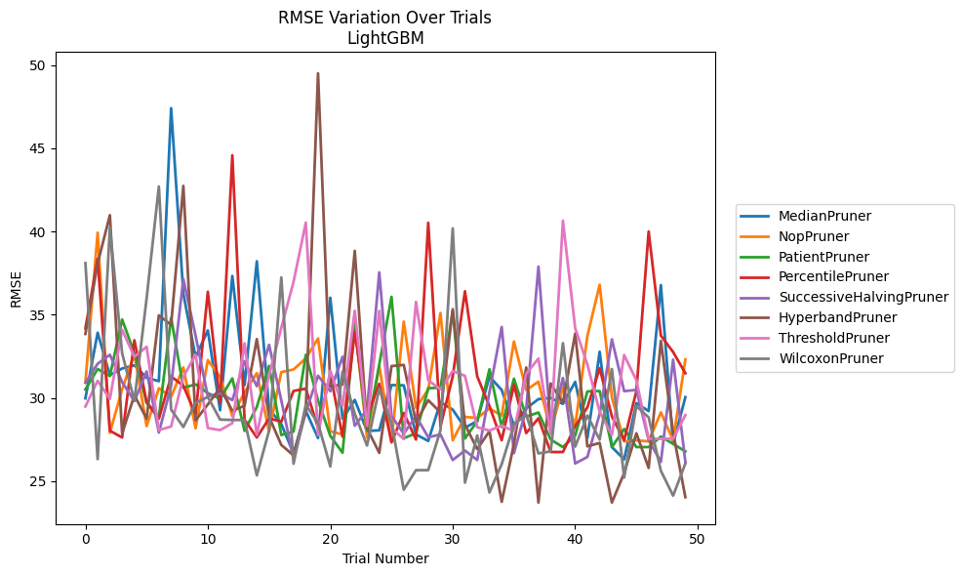
Trial | MedianPruner | NopPruner | PatientPruner | PercentilePruner | SuccessiveHalvingPruner | HyperbandPruner | ThresholdPruner | WilcoxonPruner
1 | 29.973962462 | 30.932400911 | 30.511121584 | 34.179515996 | 30.909852264 | 33.846501285 | 29.48091251 | 38.101176063
2 | 33.92022938 | 39.927387185 | 31.738242229 | 38.360520071 | 32.051304196 | 38.081390638 | 31.02917889 | 26.321519388
3 | 31.369005642 | 27.899709979 | 31.316340026 | 28.029487394 | 32.595296979 | 40.984308897 | 29.942356936 | 40.244698195
4 | 31.767224286 | 30.521063077 | 34.711505075 | 27.620934468 | 30.952702795 | 27.863595597 | 34.098111581 | 32.684925625
5 | 31.958223784 | 32.640596709 | 32.691894929 | 33.467957125 | 29.811385706 | 30.159000798 | 32.472082862 | 29.819353922
6 | 31.21414536 | 28.308512728 | 29.701787577 | 29.748501498 | 31.591722056 | 28.755866302 | 33.07377398 | 35.982291238
7 | 31.007031597 | 30.581495248 | 28.840061119 | 28.752662173 | 27.919225399 | 34.961633403 | 28.065573366 | 42.7053014
8 | 47.411435336 | 30.068383624 | 34.812287033 | 31.292831749 | 30.719911166 | 34.389891713 | 28.283648727 | 29.299778167
9 | 36.254689839 | 31.828378778 | 30.609335486 | 30.730542067 | 37.150709981 | 42.741509731 | 31.270815793 | 28.253846288
10 | 32.449632378 | 28.179224797 | 30.813721862 | 29.002026034 | 33.74378567 | 28.653213981 | 32.589912851 | 29.701022504
11 | 34.056434869 | 32.273373965 | 30.287606408 | 36.378648513 | 30.078507842 | 29.611885029 | 28.187985297 | 30.056847177
12 | 29.256523739 | 31.259472886 | 29.948181041 | 29.710234378 | 30.277606561 | 30.601453661 | 28.065573366 | 28.698674465
13 | 37.328755506 | 28.907670994 | 31.173048975 | 44.581192785 | 29.865938211 | 29.229850512 | 28.48282034 | 28.673137076
14 | 30.774530903 | 30.337915357 | 28.016239161 | 28.684897655 | 32.206509689 | 29.528470077 | 33.282526078 | 28.672148657
15 | 38.21386347 | 31.491575604 | 29.455838315 | 27.620934468 | 30.702132438 | 33.537023882 | 27.776645244 | 25.342606945
16 | 29.343806089 | 28.00030661 | 31.922160384 | 28.769095266 | 33.190778651 | 28.867001399 | 31.36073127 | 28.028319245
17 | 28.425693668 | 31.550522615 | 27.769480142 | 28.576267786 | 29.849668894 | 27.174146387 | 34.213023418 | 37.243460549
18 | 26.658758674 | 31.70951933 | 27.976595175 | 30.417681015 | 26.297811821 | 26.543038346 | 36.978674466 | 26.04464346
19 | 29.227439666 | 32.375041024 | 32.59031391 | 30.559382142 | 29.157608674 | 29.287619484 | 40.533937277 | 29.600731664
20 | 27.590003725 | 33.571033767 | 29.843375008 | 28.204230427 | 31.333754283 | 49.507718832 | 27.776645244 | 28.470535407
21 | 36.0224455 | 27.987185578 | 27.723971579 | 31.446103974 | 30.399605882 | 30.684625198 | 31.629426024 | 25.883630156
22 | 28.750356354 | 27.812726352 | 26.703603364 | 27.672840526 | 32.470542852 | 30.816337829 | 29.526156601 | 31.588178077
23 | 29.879125594 | 34.487755808 | 34.414956325 | 33.984347267 | 28.32690165 | 38.840448154 | 35.233386587 | 29.045788548
24 | 28.016581959 | 27.621878255 | 28.056127054 | 28.910338679 | 29.28786767 | 28.174196383 | 28.318950307 | 27.137951008
25 | 28.050480958 | 31.923397352 | 32.001162067 | 30.845671511 | 37.547265675 | 26.698469477 | 35.226942138 | 30.561435746
26 | 30.772499509 | 27.385606346 | 36.075879574 | 27.328034467 | 28.91812944 | 31.913697543 | 28.192155069 | 28.473997425
27 | 30.754414601 | 34.584462579 | 27.575151963 | 29.095710073 | 27.851888337 | 31.983515652 | 27.528934282 | 24.484372993
28 | 27.8060619 | 29.410180974 | 27.878170246 | 27.499501905 | 28.910338679 | 28.540351382 | 35.772411338 | 25.657798314
29 | 27.415461818 | 30.499945172 | 30.580817191 | 40.523992485 | 27.632841131 | 29.864150204 | 31.060563191 | 25.659280612
30 | 29.747987566 | 35.10681007 | 30.620038159 | 28.296121942 | 27.802737059 | 29.124041469 | 30.513302368 | 28.0579279
31 | 29.293737145 | 27.451582215 | 35.203770632 | 31.295505922 | 26.267263627 | 35.33190423 | 31.616093102 | 40.189241267
32 | 28.209580461 | 28.858713675 | 27.56216793 | 36.410440636 | 26.835816935 | 28.395894341 | 31.32740133 | 24.907265787
33 | 28.607615568 | 28.794790507 | 28.598618776 | 31.294334053 | 26.267263627 | 26.924023099 | 28.239604832 | 27.746438768
34 | 31.286258869 | 29.365952046 | 31.720350568 | 29.503275619 | 30.355971706 | 27.998312913 | 28.0376538 | 24.319104539
35 | 30.477023414 | 28.941958331 | 28.251768213 | 27.455855317 | 34.267323828 | 23.754314104 | 28.340034502 | 26.022946964
36 | 28.34350717 | 33.388860844 | 31.153726089 | 30.780582913 | 26.680852341 | 27.23075839 | 27.99728622 | 28.389868732
37 | 29.37249904 | 30.473996836 | 28.873179493 | 27.888695825 | 29.323965356 | 31.828314892 | 31.44936324 | 29.012472169
38 | 29.927399114 | 30.975504801 | 29.121610835 | 28.77576523 | 37.892948954 | 23.712850917 | 32.363825747 | 26.662621679
39 | 29.993523329 | 28.033120859 | 27.496993145 | 26.748777237 | 28.31672022 | 30.867930165 | 27.829358832 | 26.789018632
40 | 29.641373592 | 30.620011317 | 27.044856285 | 26.748777237 | 31.194628539 | 29.710479378 | 40.652166796 | 33.291632179
41 | 30.964533461 | 28.306770167 | 27.729219659 | 28.297285993 | 26.060103308 | 33.869743571 | 34.192001266 | 27.070918628
42 | 27.590326597 | 33.731242324 | 30.391034815 | 29.438319652 | 26.453658765 | 27.090087832 | 32.007588658 | 28.947118923
43 | 32.773469887 | 36.800742253 | 30.413707966 | 31.790018218 | 29.040902196 | 27.292770948 | 29.159419511 | 27.494272552
44 | 27.044205589 | 30.017088733 | 27.044856285 | 28.879725097 | 33.52099751 | 23.712850917 | 27.776645244 | 31.733437957
45 | 26.302826187 | 27.385606346 | 28.128909449 | 27.455855317 | 30.407624146 | 25.481775452 | 32.575154274 | 25.210174186
46 | 29.689746085 | 27.451582215 | 27.044856285 | 30.406042058 | 30.482489787 | 27.875218882 | 31.062270683 | 29.510219415
47 | 29.207738459 | 27.385606346 | 27.044856285 | 40.000779844 | 27.467289542 | 25.788226996 | 27.545232347 | 28.828089539
48 | 36.783094889 | 29.13200701 | 27.676130979 | 33.744544429 | 26.154731024 | 33.426374583 | 27.545232347 | 25.618861552
49 | 27.236443662 | 27.451582215 | 27.235858891 | 32.757926282 | 32.301272544 | 27.917593265 | 27.545232347 | 24.122916523
50 | 30.043256397 | 32.312161046 | 26.785923323 | 31.483249569 | 26.154731024 | 24.035255678 | 28.967075304 | 26.062440588

RMSE_Trials_GPBoost
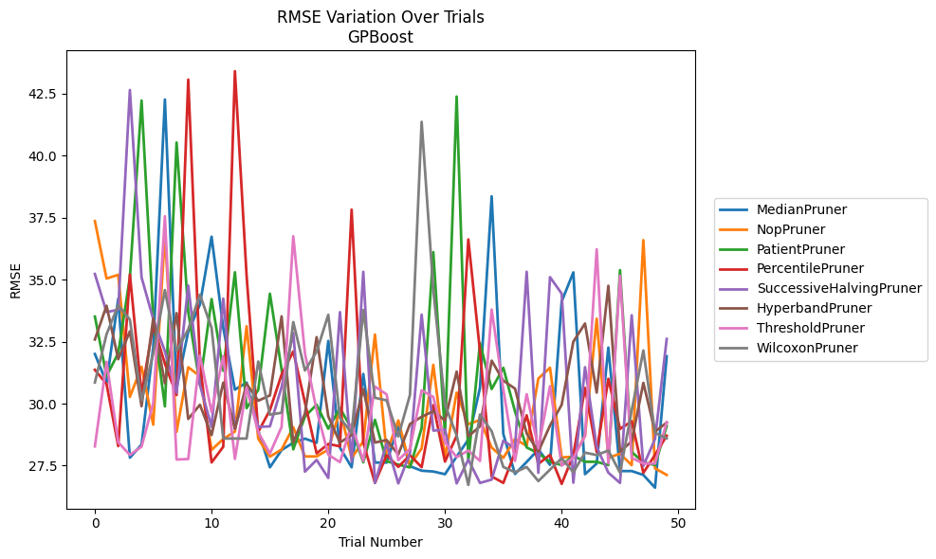
Trial | MedianPruner | NopPruner | PatientPruner | PercentilePruner | SuccessiveHalvingPruner | HyperbandPruner | ThresholdPruner | WilcoxonPruner
1 | 31.999081319 | 37.356609427 | 33.506886099 | 31.360954572 | 35.224573542 | 32.584295728 | 28.275554771 | 30.852528896
2 | 30.841329901 | 35.040781571 | 31.118184566 | 30.787686879 | 33.687322897 | 33.944282623 | 31.686180584 | 32.794917489
3 | 34.223682872 | 35.189656374 | 32.029126291 | 28.288559744 | 33.783344928 | 31.790385523 | 28.440512538 | 33.961680506
4 | 27.821991503 | 30.269747124 | 35.087269278 | 35.200476156 | 42.637017026 | 32.913174142 | 27.932086642 | 33.384758187
5 | 28.349269919 | 31.486425116 | 42.213877381 | 30.390017696 | 35.085287429 | 29.89603586 | 28.26573088 | 30.135273495
6 | 32.274017746 | 29.152109627 | 33.438521041 | 33.168877961 | 33.414183859 | 33.4308083 | 30.01859736 | 32.007119592
7 | 42.255268967 | 36.829707691 | 29.888240367 | 31.608291521 | 32.108788517 | 30.818711974 | 37.549068468 | 34.575533874
8 | 30.619788607 | 28.862325664 | 40.522388061 | 30.344012684 | 30.43644851 | 33.647362374 | 27.747308282 | 32.129443747
9 | 32.90270159 | 31.466219038 | 33.701836519 | 43.056873843 | 34.757774136 | 29.382157316 | 27.767586864 | 32.993857123
10 | 33.989441517 | 31.106723349 | 30.756841372 | 31.656000065 | 30.756841372 | 29.953315438 | 31.935654753 | 34.39065583
11 | 36.726829303 | 28.135157504 | 34.214889069 | 27.629218086 | 29.060346133 | 28.731784574 | 29.659898461 | 33.05174642
12 | 33.053140271 | 28.576211523 | 31.325774665 | 28.261938482 | 34.232039903 | 30.842507263 | 31.916206274 | 28.593024358
13 | 30.563868828 | 28.873670563 | 35.293945679 | 43.39663764 | 28.992534311 | 28.982566008 | 27.772917326 | 28.593024358
14 | 30.847104088 | 33.119082557 | 29.817628803 | 35.1565559 | 30.657063287 | 30.796465654 | 30.655766867 | 28.593024358
15 | 28.902710177 | 28.585273322 | 30.554410272 | 28.861419624 | 29.060346133 | 30.115650533 | 28.845298248 | 31.697314697
16 | 27.43400561 | 27.863474805 | 34.428586786 | 29.740147051 | 29.083606259 | 30.331509433 | 27.993743665 | 29.55578329
17 | 28.129836703 | 28.152452006 | 31.370749097 | 31.171800767 | 30.667672723 | 33.518091259 | 29.060346133 | 29.632947545
18 | 28.423723819 | 29.04975999 | 28.157969113 | 32.104114896 | 32.851313113 | 28.432045529 | 36.744436713 | 33.286310334
19 | 28.589855771 | 27.871975025 | 29.479862072 | 30.048723005 | 27.25797531 | 29.600415641 | 32.021422213 | 31.334081785
20 | 28.422070694 | 27.871975025 | 29.959105215 | 27.995973626 | 27.73167462 | 32.678289236 | 29.738464218 | 32.093670676
21 | 32.52672672 | 28.147145646 | 28.988951399 | 28.373919699 | 27.005173359 | 29.487330045 | 27.942582635 | 33.579353132
22 | 28.225995983 | 29.744472904 | 29.815750722 | 28.279892169 | 33.687221934 | 28.432045529 | 27.641855255 | 29.430579862
23 | 27.43400561 | 27.814188575 | 28.992622798 | 37.817143341 | 27.663300817 | 28.731784574 | 29.173100459 | 28.816694203
24 | 31.195033151 | 28.481651115 | 27.635496302 | 28.437891459 | 35.312992544 | 30.582298286 | 27.690479029 | 33.770663739
25 | 27.624475566 | 32.785327959 | 29.34662292 | 26.806140578 | 26.803253769 | 28.430981057 | 30.687280674 | 30.234434482
26 | 27.624475566 | 28.025394479 | 27.679671331 | 27.924489648 | 28.406076364 | 28.532461881 | 30.372676565 | 30.131781331
27 | 29.08191434 | 29.323993841 | 27.542818853 | 27.450060564 | 26.785123666 | 27.94907969 | 27.7237466 | 28.675523623
28 | 27.478455386 | 27.520347329 | 27.428691889 | 27.923237724 | 27.999355981 | 29.17597048 | 28.177523536 | 30.350957743
29 | 27.297191226 | 28.191789977 | 29.010609603 | 27.438632264 | 33.584754019 | 29.470450033 | 30.535199403 | 41.354338553
30 | 27.264089807 | 31.563316219 | 36.103594327 | 29.938360005 | 28.9121355 | 29.693450227 | 30.267580321 | 34.596575343
31 | 27.156062822 | 27.814188575 | 28.770803954 | 27.663096558 | 28.952908196 | 29.322181495 | 28.440501823 | 29.965540223
32 | 27.864480846 | 30.442908657 | 42.374113507 | 28.702762362 | 26.785123666 | 31.29003565 | 27.840231201 | 28.715494493
33 | 28.550495141 | 29.169771303 | 27.679671331 | 36.616451533 | 27.744195472 | 28.681403146 | 28.111167538 | 26.724271212
34 | 30.634287967 | 29.343143975 | 32.441447233 | 32.103385986 | 26.803253769 | 29.084186791 | 27.690479029 | 29.557962729
35 | 38.35475811 | 28.229215741 | 30.586183757 | 27.066571265 | 26.939259258 | 31.732415626 | 33.790142933 | 28.887108131
36 | 28.777809012 | 27.814188575 | 31.442925522 | 26.806140578 | 28.505773025 | 30.924611967 | 30.565724374 | 27.446827428
37 | 27.166189803 | 28.575288525 | 29.685261829 | 28.035120985 | 28.196121377 | 30.605297152 | 27.690479029 | 27.234917157
38 | 27.649623871 | 28.297167859 | 28.233274119 | 29.530076387 | 35.311767824 | 28.797879231 | 30.380796328 | 27.446827428
39 | 28.15425186 | 31.009985413 | 27.999355981 | 27.572298826 | 27.213083398 | 28.065527183 | 28.201379315 | 26.878247617
40 | 27.531267619 | 31.445990937 | 27.656066341 | 27.934829488 | 35.097000936 | 29.115864094 | 30.704824028 | 27.339508545
41 | 34.116381829 | 27.831636017 | 27.52318632 | 26.764519279 | 34.435724501 | 29.953885574 | 27.502802192 | 27.79776888
42 | 35.28912953 | 27.863909456 | 27.89945367 | 27.932219113 | 26.813163902 | 32.49743758 | 27.811512814 | 27.234917157
43 | 27.156062822 | 28.700512625 | 27.656066341 | 30.632548685 | 31.468529932 | 33.228479046 | 28.699846412 | 28.025458777
44 | 27.585707206 | 33.422615555 | 27.656066341 | 28.055407003 | 28.253351292 | 30.444412421 | 36.219622533 | 27.928341297
45 | 32.259369507 | 27.814188575 | 27.52318632 | 31.000164549 | 27.218342163 | 34.74834221 | 27.585688835 | 28.110289169
46 | 27.282314267 | 27.984238668 | 35.379991907 | 28.980550528 | 26.803779288 | 28.065527183 | 35.15456486 | 27.220001828
47 | 27.282314267 | 27.520347329 | 28.048728837 | 29.289513896 | 33.561369663 | 28.479889533 | 27.815503688 | 29.718144093
48 | 27.126072012 | 36.588620885 | 27.635496302 | 27.209839488 | 27.493250595 | 30.837612346 | 27.585688835 | 32.141056753
49 | 26.612171128 | 27.389797112 | 27.52318632 | 27.934829488 | 28.575288525 | 28.871592592 | 27.585688835 | 28.821853969
50 | 31.910248181 | 27.127295706 | 29.100071598 | 28.707746649 | 32.605227818 | 29.233859447 | 29.249308429 | 28.601335282

RMSE_Trials_CatBoost
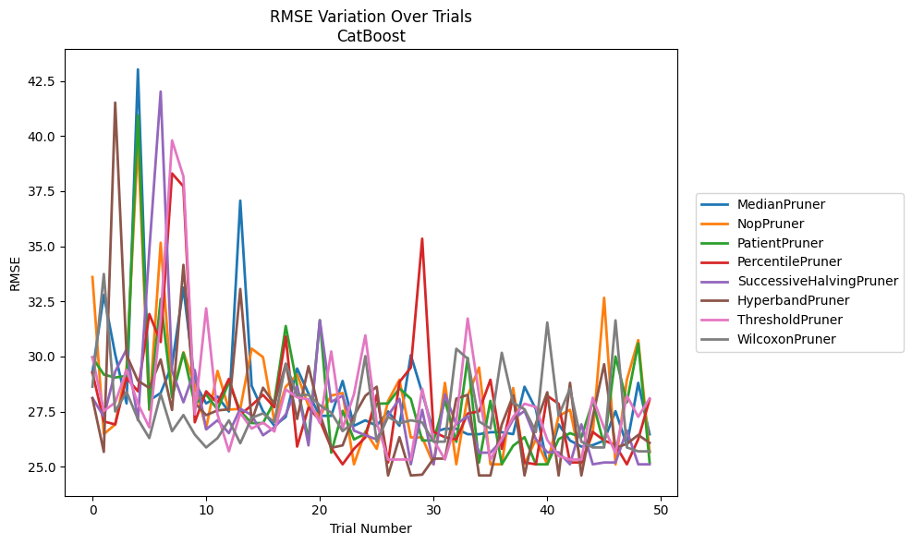
Trial | MedianPruner | NopPruner | PatientPruner | PercentilePruner | SuccessiveHalvingPruner | HyperbandPruner | ThresholdPruner | WilcoxonPruner
1 | 29.283082719 | 33.604519558 | 29.953807505 | 29.272780526 | 28.11835109 | 28.101071078 | 29.972484036 | 28.632260516
2 | 32.793913537 | 26.479185462 | 29.181136873 | 27.054822669 | 27.27926688 | 25.673634589 | 27.53358349 | 33.740891755
3 | 30.096429925 | 26.919311861 | 29.047603341 | 26.919311861 | 29.315017623 | 41.514518736 | 27.909510539 | 27.506649202
4 | 27.871241152 | 29.50043559 | 29.120692627 | 29.030075119 | 30.328315403 | 30.071858712 | 29.395237196 | 28.396105243
5 | 43.020594493 | 39.769875526 | 40.932674627 | 28.421710527 | 27.110661285 | 28.899936671 | 27.857891611 | 27.159456743
6 | 28.004715707 | 27.574757871 | 27.605479236 | 31.926507017 | 34.803035257 | 28.572437927 | 26.785646909 | 26.30001866
7 | 28.347274222 | 35.159729898 | 32.608875169 | 30.656920709 | 42.014179319 | 29.862983529 | 31.70788221 | 28.297934096
8 | 29.620169941 | 28.262800234 | 28.144043193 | 38.30235767 | 29.352687069 | 27.574069593 | 39.799611162 | 26.610719954
9 | 33.125281738 | 30.193918576 | 30.157691628 | 37.714473537 | 27.925518035 | 34.156281447 | 38.168945111 | 27.345955732
10 | 28.816482291 | 28.702008364 | 27.841294744 | 27.015651286 | 29.386056607 | 27.897510763 | 27.370940797 | 26.458585168
11 | 27.871241152 | 26.740523208 | 28.280595142 | 28.422229039 | 26.69462886 | 27.340473692 | 32.185525043 | 25.875703163
12 | 28.186059324 | 29.346198551 | 27.595459529 | 27.897510763 | 27.110661285 | 27.555260193 | 27.370940797 | 26.30001866
13 | 27.506997127 | 27.590157853 | 28.827426169 | 28.989192149 | 26.523599948 | 27.606682591 | 25.699094929 | 27.10447635
14 | 37.068835333 | 27.625636729 | 27.522670097 | 27.360131132 | 27.631067108 | 33.061784191 | 27.440987333 | 26.066700537
15 | 28.673241886 | 30.357583418 | 26.980169508 | 27.787760816 | 27.347616019 | 27.064350587 | 26.73371858 | 27.216860967
16 | 27.52180828 | 29.97208472 | 26.980169508 | 28.260096826 | 26.429250541 | 28.585796401 | 27.005528854 | 27.422328168
17 | 26.858091423 | 27.049421788 | 27.973003287 | 27.697420968 | 26.785646909 | 27.856176791 | 26.600090525 | 27.025297312
18 | 27.262643588 | 28.629816039 | 31.383460401 | 30.90417148 | 27.369081427 | 29.661615127 | 28.504766934 | 29.679016546
19 | 29.455751556 | 29.181136873 | 28.674233632 | 25.915480595 | 28.649987109 | 27.167397684 | 28.150719799 | 28.244579751
20 | 28.319443085 | 27.769715171 | 26.238516236 | 27.684728806 | 25.968936394 | 29.562436043 | 28.05539071 | 28.260811346
21 | 27.309021543 | 27.278050861 | 31.644942498 | 27.10447635 | 31.644942498 | 27.394683962 | 26.980753709 | 27.789990505
22 | 27.309021543 | 28.227741941 | 25.638381295 | 25.860183595 | 27.943526065 | 25.860183595 | 30.228352311 | 27.45315856
23 | 28.891483385 | 28.344065942 | 27.535603613 | 25.110662682 | 28.218466337 | 25.968936394 | 26.73371858 | 26.617236658
24 | 26.858091423 | 25.110662682 | 26.238516236 | 25.812526014 | 26.63965668 | 27.304390778 | 28.291720559 | 27.033792115
25 | 27.10557325 | 26.600090525 | 26.499846329 | 26.330130142 | 26.429250541 | 28.218466337 | 30.959043626 | 30.01828917
26 | 26.858091423 | 25.812526014 | 27.856176791 | 28.262800234 | 26.238516236 | 28.630157113 | 26.999116206 | 26.137699635
27 | 27.510226833 | 27.984277672 | 27.872780715 | 25.194271479 | 27.318779673 | 24.604668599 | 25.32726696 | 27.262643588
28 | 26.858091423 | 28.945852727 | 28.554325062 | 28.843645131 | 28.07985007 | 26.341481296 | 25.32726696 | 26.971856297
29 | 30.059303615 | 26.330130142 | 28.07985007 | 29.497554422 | 25.110662682 | 24.604668599 | 25.32726696 | 27.10557325
30 | 28.354653963 | 26.330130142 | 26.194150745 | 35.343082258 | 27.581138865 | 24.641403534 | 28.540282648 | 27.013667288
31 | 26.567211076 | 25.111532774 | 26.194150745 | 26.578865787 | 25.110662682 | 25.369577293 | 26.217964749 | 26.137699635
32 | 26.723496816 | 28.80660563 | 27.991534587 | 26.341481296 | 28.291720559 | 25.369577293 | 25.32726696 | 26.137699635
33 | 26.723496816 | 25.111532774 | 26.130247352 | 26.238516236 | 26.919311861 | 28.088647462 | 27.052439206 | 30.351758021
34 | 26.477192148 | 28.218466337 | 29.935386011 | 27.411961117 | 27.304390778 | 28.260748301 | 31.723376378 | 29.898173302
35 | 26.477192148 | 29.497554422 | 25.194271479 | 27.514245559 | 25.638381295 | 24.604668599 | 28.27049099 | 27.054822669
36 | 26.567211076 | 25.111532774 | 27.990072769 | 28.945852727 | 25.638381295 | 24.604668599 | 25.32726696 | 26.733466298
37 | 26.567211076 | 25.111532774 | 25.110662682 | 25.812526014 | 26.194150745 | 26.91836559 | 26.27028007 | 30.169213694
38 | 26.479185462 | 28.569283307 | 25.953961721 | 28.20715893 | 27.150071817 | 28.227741941 | 27.262643588 | 27.905388197
39 | 28.629816039 | 25.110662682 | 26.341481296 | 25.194271479 | 27.534448123 | 24.604668599 | 27.856973581 | 27.607128867
40 | 27.605479236 | 26.25052699 | 25.110662682 | 25.110662682 | 26.25052699 | 26.958710609 | 27.711625886 | 26.575212707
41 | 25.111532774 | 25.110662682 | 25.110662682 | 28.218466337 | 25.656848396 | 28.378949587 | 26.217964749 | 31.54052993
42 | 26.922840394 | 27.304390778 | 26.25052699 | 27.856176791 | 25.656848396 | 24.604668599 | 25.486105248 | 27.309021543
43 | 26.189869242 | 27.581138865 | 26.52429486 | 25.194271479 | 25.111532774 | 28.807470588 | 25.32726696 | 28.545657249
44 | 25.915480595 | 25.111532774 | 26.334380315 | 25.194271479 | 26.922840394 | 24.604668599 | 25.32726696 | 26.137699635
45 | 25.980497573 | 26.52429486 | 27.967477357 | 26.578865787 | 25.110662682 | 27.264903948 | 28.131937015 | 25.875703163
46 | 26.189869242 | 32.664013483 | 25.980497573 | 26.194150745 | 25.194271479 | 29.65000405 | 26.763584201 | 25.875703163
47 | 27.522670097 | 25.110662682 | 29.99924957 | 25.980497573 | 25.194271479 | 25.860183595 | 25.62516767 | 31.639356908
48 | 25.980497573 | 28.945852727 | 27.918543968 | 25.110662682 | 26.64716852 | 26.03817165 | 28.22053278 | 25.875703163
49 | 28.80660563 | 30.744444242 | 30.598773556 | 26.25052699 | 25.110662682 | 26.442783247 | 27.262643588 | 25.699094929
50 | 26.471718604 | 25.656848396 | 25.194271479 | 28.050658337 | 25.110662682 | 26.085622936 | 28.100286625 | 25.699094929

RMSE_Trials_NGBoost
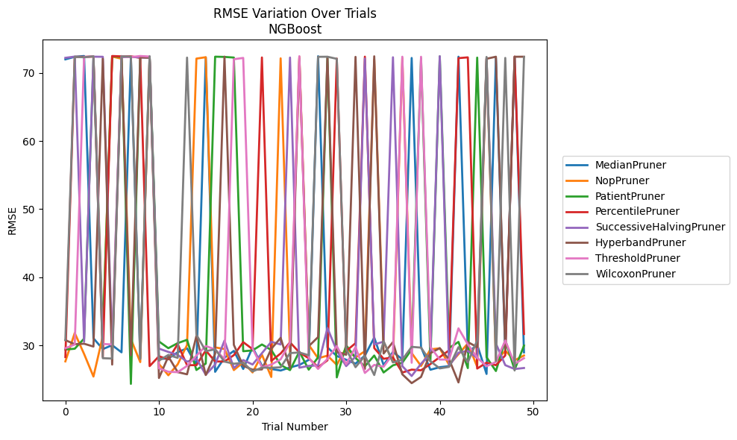
Trial | MedianPruner | NopPruner | PatientPruner | PercentilePruner | SuccessiveHalvingPruner | HyperbandPruner | ThresholdPruner | WilcoxonPruner
1 | 71.991146898 | 27.649829128 | 29.386800444 | 28.285446199 | 72.211539715 | 30.771388604 | 29.580753748 | 30.788731817
2 | 72.365607899 | 31.817631602 | 29.506756148 | 72.369895667 | 72.396931251 | 30.169005961 | 30.126758567 | 72.357798931
3 | 72.479549158 | 28.738308889 | 30.991238044 | 72.355831107 | 30.52207805 | 30.240605975 | 72.337942649 | 72.294370015
4 | 31.040124567 | 25.42424059 | 72.051840735 | 72.390133073 | 72.379754245 | 29.828040562 | 72.447050997 | 72.442484718
5 | 29.452482193 | 31.343463223 | 31.565088697 | 28.298935763 | 72.366383298 | 72.073169102 | 30.202340311 | 28.114615131
6 | 30.02771756 | 72.395060708 | 72.434077892 | 72.479431907 | 29.858560756 | 27.180123844 | 30.139947842 | 28.068494875
7 | 28.978900098 | 72.087256219 | 72.33897792 | 72.42596731 | 72.319165453 | 72.479400011 | 72.438284802 | 72.432957814
8 | 72.297237886 | 30.914363993 | 24.347159889 | 72.428777384 | 72.363979196 | 28.537693262 | 72.32771132 | 72.387514114
9 | 28.136970865 | 27.544946044 | 72.376141805 | 72.208256065 | 72.269878 | 72.27102208 | 72.479542838 | 27.995182382
10 | 72.386887746 | 72.334123364 | 72.318310356 | 26.954015117 | 72.222851479 | 72.245990238 | 72.400329763 | 72.443775332
11 | 28.010541547 | 27.262694893 | 30.57294254 | 28.402966032 | 29.520881315 | 25.211936825 | 26.631109838 | 27.759279221
12 | 28.065207442 | 25.612346829 | 29.586633557 | 27.944515624 | 29.039979208 | 28.370964922 | 26.126236229 | 28.596058945
13 | 28.98769977 | 27.216663662 | 30.327321189 | 30.189253344 | 28.600026168 | 26.071427468 | 26.068418515 | 28.168543513
14 | 29.573148189 | 30.059209859 | 30.812861908 | 27.090458588 | 27.607026376 | 25.7531121 | 26.985978253 | 72.248675589
15 | 27.104897512 | 72.100912401 | 26.386078572 | 27.097101366 | 28.060620796 | 31.382378897 | 28.505484392 | 31.570514221
16 | 72.269289171 | 72.304531754 | 27.32799578 | 29.258168471 | 25.69190173 | 25.649286698 | 29.90588759 | 29.154437409
17 | 26.118906186 | 29.702192947 | 72.380957982 | 27.634064364 | 27.180116672 | 28.762483784 | 29.410810565 | 29.416576469
18 | 28.191897158 | 29.469256658 | 72.347606861 | 27.632082519 | 30.701428515 | 72.38836636 | 27.97669405 | 27.620483873
19 | 29.189005071 | 26.372311987 | 72.25540491 | 28.568312286 | 26.678985658 | 30.074020028 | 72.010385917 | 27.305555027
20 | 26.529411341 | 27.511644496 | 29.140205289 | 30.473722406 | 27.845762845 | 26.989235493 | 72.198604282 | 27.440517202
21 | 29.725340129 | 26.025281173 | 29.257548156 | 29.447785069 | 27.18815614 | 26.435964628 | 29.542372939 | 26.173728176
22 | 27.020306983 | 28.6338416 | 30.132378796 | 72.268208776 | 28.846819362 | 26.469563378 | 26.799231207 | 26.737206938
23 | 26.530446416 | 25.362903433 | 29.32038433 | 27.719188155 | 30.526018973 | 29.490809467 | 27.176752891 | 26.713689721
24 | 26.306872128 | 72.139895966 | 27.123905007 | 28.80745339 | 30.13224911 | 31.101288837 | 27.953212126 | 26.780765048
25 | 26.755259838 | 28.854079121 | 26.366486343 | 30.441624411 | 72.25582304 | 26.654406965 | 30.411222571 | 28.866437216
26 | 27.126578718 | 72.386128663 | 29.079045558 | 28.968170772 | 26.71970333 | 72.136784165 | 72.449779807 | 28.957359396
27 | 27.869814071 | 30.078359344 | 26.435370721 | 28.109682461 | 26.991217427 | 29.87965386 | 28.157795897 | 28.547195552
28 | 72.449549574 | 28.104939387 | 28.23688895 | 26.794445671 | 27.055929298 | 31.215721407 | 26.54651351 | 72.361706016
29 | 29.698093937 | 28.492976301 | 72.263710389 | 27.803160539 | 32.543598445 | 72.358035772 | 28.009138422 | 72.372379158
30 | 28.440991219 | 27.142552478 | 25.29825927 | 72.105544856 | 29.210159741 | 29.095129835 | 29.896702383 | 72.067579691
31 | 27.887123938 | 29.656561455 | 30.027297473 | 29.180999778 | 26.956557398 | 28.620863834 | 27.241820045 | 29.449235915
32 | 27.321460028 | 28.223396914 | 28.148813325 | 30.318841459 | 28.340441307 | 72.356114046 | 29.745425329 | 26.796332116
33 | 28.491834475 | 29.144552032 | 26.927665758 | 72.386392691 | 72.106194714 | 26.545622085 | 25.951961899 | 28.464536511
34 | 31.146137254 | 71.982386301 | 28.50996593 | 29.606425022 | 30.138928666 | 72.43850884 | 27.132564736 | 25.646306294
35 | 27.116075328 | 30.538350116 | 26.021692801 | 28.026993358 | 30.543639544 | 28.800261638 | 26.860157175 | 30.607442212
36 | 29.03449041 | 27.519033206 | 27.068325055 | 28.237227949 | 72.294919993 | 30.479308635 | 28.752721922 | 27.506350671
37 | 27.961829841 | 72.19217861 | 27.461937416 | 26.011024719 | 26.954532707 | 25.753059388 | 72.378906354 | 27.910475819
38 | 72.193294761 | 28.870472993 | 29.404545034 | 26.439122944 | 25.506365881 | 24.454282492 | 27.448873285 | 29.782378094
39 | 29.753404477 | 26.975619237 | 72.154404606 | 26.338924954 | 27.295464661 | 25.368045826 | 72.371735761 | 29.671141967
40 | 26.4231556 | 29.417196141 | 27.709507612 | 27.257910942 | 28.803224145 | 28.859610345 | 29.778703 | 27.668412426
41 | 26.793818797 | 29.569007632 | 72.427376546 | 28.274532185 | 72.450705117 | 29.589419593 | 27.920293172 | 26.616980513
42 | 26.954493961 | 27.140202166 | 29.62307209 | 29.277490824 | 26.955755842 | 27.937239302 | 27.920229163 | 26.845153618
43 | 72.380330067 | 28.705856512 | 30.507629192 | 72.167306503 | 28.927432137 | 24.561869556 | 32.50127272 | 29.740194388
44 | 28.949601836 | 30.281044386 | 26.662410452 | 72.282763199 | 29.191668511 | 30.488471955 | 30.1567569 | 27.508248166
45 | 30.092941303 | 26.857992202 | 72.247308099 | 26.597227058 | 28.138897269 | 29.733160987 | 28.199557606 | 30.724719163
46 | 25.805657707 | 72.059061352 | 28.257781568 | 27.461385556 | 72.163628326 | 72.076650789 | 26.938448239 | 72.346208322
47 | 72.157180635 | 27.661974365 | 26.230759793 | 27.089919645 | 30.272514512 | 72.375999219 | 27.561820966 | 27.708670866
48 | 28.934830748 | 29.212972262 | 30.76311226 | 28.51975668 | 27.096040817 | 29.395094212 | 30.716034664 | 72.200750189
49 | 72.370754642 | 27.810605678 | 26.419889826 | 72.396038888 | 26.526780165 | 72.370392538 | 27.291749878 | 26.31383241
50 | 28.971276265 | 28.512065828 | 29.970835661 | 31.672512977 | 26.678625236 | 72.377389896 | 28.115736829 | 72.332282804

RMSE_Trials_TabNet
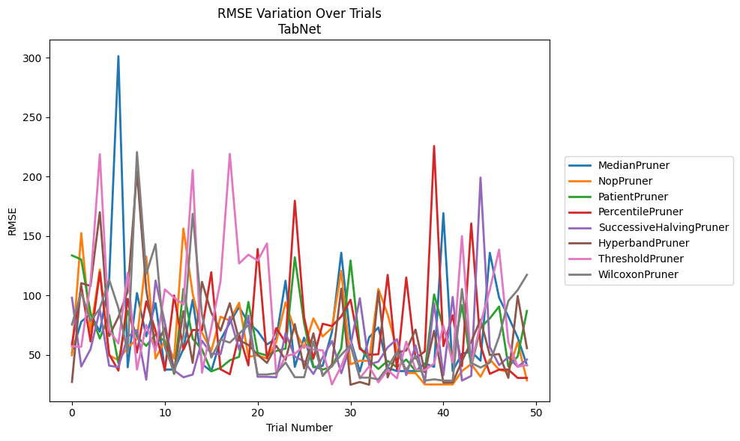
Trial | MedianPruner | NopPruner | PatientPruner | PercentilePruner | SuccessiveHalvingPruner | HyperbandPruner | ThresholdPruner | WilcoxonPruner
1 | 52.068792762 | 49.635276211 | 133.71695707 | 58.99532597 | 98.090170968 | 27.222114504 | 57.266795264 | 75.532572004
2 | 77.936948675 | 152.44046609 | 130.25008247 | 107.82539778 | 40.25736752 | 110.37275267 | 56.812502149 | 102.67721913
3 | 84.480966445 | 69.29105986 | 85.246262633 | 61.326494803 | 54.816230186 | 108.01808298 | 110.71347539 | 78.524506649
4 | 69.533532266 | 121.86523599 | 63.706901792 | 119.54675145 | 87.936178473 | 170.14020528 | 218.85193161 | 88.976348134
5 | 111.63066895 | 49.601559424 | 83.627481512 | 50.515559755 | 40.905120484 | 65.797934345 | 70.731073551 | 113.41737941
6 | 301.3996257 | 45.663219758 | 43.157815583 | 36.82510528 | 39.764736299 | 81.781026103 | 59.624058234 | 89.499249844
7 | 39.54644903 | 56.152921872 | 87.06443768 | 97.247459398 | 65.12474883 | 103.53958803 | 119.18080982 | 51.414047661
8 | 102.01939537 | 63.346625181 | 65.42926539 | 52.010478211 | 70.889741633 | 204.35234966 | 37.685741175 | 220.66049644
9 | 65.677943673 | 132.75871705 | 57.577747624 | 95.0311421 | 29.118360295 | 104.9205987 | 75.258863162 | 118.22522616
10 | 93.526728925 | 46.94002261 | 67.186199115 | 70.270563883 | 112.56744506 | 56.532249767 | 53.233363745 | 143.18863896
11 | 37.659953462 | 62.367453201 | 61.553556616 | 36.82510528 | 77.192721863 | 72.727122692 | 105.15067779 | 56.450871807
12 | 37.659953462 | 46.94002261 | 33.974668154 | 100.02133561 | 36.918472785 | 34.675803912 | 98.153623413 | 35.401103926
13 | 55.067807101 | 156.34415913 | 105.51718795 | 54.345254975 | 31.161616224 | 86.750540344 | 92.426517476 | 65.941169181
14 | 96.369674991 | 101.47827277 | 63.522774044 | 70.96995403 | 33.397219459 | 43.272031961 | 205.58123584 | 168.68503379
15 | 42.35664875 | 68.811183712 | 54.68090362 | 70.806324891 | 61.913606564 | 111.47932824 | 35.046115685 | 83.814769148
16 | 36.174647234 | 53.282335949 | 36.193281328 | 119.54175607 | 51.025726412 | 85.650689007 | 72.691718493 | 47.729239699
17 | 62.531808312 | 82.05633545 | 39.040895588 | 37.901147057 | 50.572679851 | 70.410570495 | 112.1483262 | 63.005543298
18 | 77.035572901 | 78.895667607 | 45.467807658 | 33.703575927 | 81.983617123 | 93.477823657 | 219.17491766 | 60.328770474
19 | 90.312600022 | 93.886483985 | 48.397465814 | 67.031515879 | 54.626939682 | 62.270359371 | 126.92725987 | 67.797128874
20 | 77.011879537 | 48.410211567 | 94.563610164 | 41.173645005 | 83.116211941 | 58.389562975 | 134.35238909 | 75.290599124
21 | 70.023039596 | 49.556756051 | 51.731765262 | 139.08176131 | 31.574954033 | 50.155553928 | 129.27160724 | 33.497372652
22 | 58.756334848 | 46.94002261 | 49.417495558 | 47.142797534 | 31.574954033 | 43.272031961 | 143.79484355 | 33.497372652
23 | 63.906232809 | 60.946858256 | 53.270870507 | 72.556440181 | 31.140847457 | 57.683849678 | 33.211342733 | 34.54072445
24 | 112.40271401 | 94.236088786 | 55.311676812 | 60.472369481 | 68.259346458 | 45.774658229 | 48.977416771 | 43.638122858
25 | 39.919323243 | 70.613995962 | 132.13429041 | 179.72778353 | 48.513690078 | 75.876509072 | 50.880340821 | 31.211312967
26 | 64.52396675 | 55.843288768 | 76.739836079 | 81.632429314 | 44.646874289 | 38.589786613 | 57.792456407 | 31.211312967
27 | 39.623063771 | 80.729831314 | 40.157856546 | 46.758018092 | 33.937588124 | 68.171909022 | 54.44753603 | 61.171467911
28 | 40.829788822 | 65.463913157 | 37.614230316 | 76.201643222 | 47.901976632 | 32.286914133 | 53.839657691 | 32.665121029
29 | 69.424781548 | 72.674473521 | 40.223754666 | 74.233600488 | 61.699399656 | 42.022529009 | 25.130448239 | 40.728599874
30 | 135.99029865 | 120.70763847 | 55.69970405 | 82.337585751 | 34.552374407 | 105.78641974 | 40.551994198 | 50.112916931
31 | 62.945120023 | 42.062378111 | 129.45283739 | 96.456804006 | 58.130579789 | 24.875166849 | 60.651637189 | 58.090394184
32 | 35.943236635 | 45.065747868 | 56.794800942 | 55.047090104 | 97.708156205 | 27.223898049 | 30.261265698 | 30.865548235
33 | 64.708865735 | 45.065747868 | 45.431038377 | 50.146827873 | 41.824309046 | 24.875166849 | 40.35773413 | 30.865548235
34 | 73.09676939 | 105.53001461 | 38.107944764 | 50.514854135 | 44.352313193 | 103.26095678 | 26.861117872 | 29.432540055
35 | 39.191351548 | 83.986152597 | 44.948888617 | 117.32950147 | 56.393170662 | 31.033108658 | 37.336275076 | 39.741173106
36 | 36.370105113 | 54.561354513 | 39.692488614 | 37.901147057 | 63.176895052 | 51.961239968 | 30.261265698 | 52.557975801
37 | 36.370105113 | 34.671234221 | 46.143979517 | 115.14054761 | 32.966950484 | 53.717602427 | 61.171467911 | 37.270439941
38 | 36.370105113 | 34.671234221 | 36.459721328 | 46.943554037 | 58.090394184 | 71.304009135 | 37.768921815 | 49.429054667
39 | 42.745141183 | 25.130448239 | 36.459721328 | 52.964795206 | 26.692374363 | 35.434968081 | 37.044405298 | 28.386244373
40 | 39.905925752 | 25.130448239 | 100.88561941 | 225.74692862 | 93.423760486 | 70.275021261 | 42.738086847 | 29.432540055
41 | 169.2841373 | 25.130448239 | 72.440883765 | 57.36031777 | 32.827189792 | 26.784774281 | 74.604595724 | 28.386244373
42 | 36.370105113 | 25.130448239 | 49.471807293 | 83.403756051 | 98.727519197 | 26.784774281 | 43.496868152 | 28.386244373
43 | 51.071064823 | 36.398077811 | 91.851963524 | 40.470037986 | 28.386244373 | 44.75435613 | 149.91987443 | 105.45109574
44 | 52.751453253 | 42.297475291 | 40.203531867 | 160.61951596 | 32.331509988 | 61.056430417 | 42.006403844 | 43.288784035
45 | 45.068010943 | 31.601552843 | 72.774839375 | 58.030625249 | 199.23393324 | 79.698494952 | 76.293801456 | 39.372108959
46 | 135.87178728 | 46.249511716 | 80.702282486 | 34.049079925 | 56.585809682 | 49.923131831 | 104.75889357 | 43.418147105
47 | 98.15842882 | 37.563458676 | 90.718755382 | 37.608193532 | 41.422972743 | 50.68835012 | 138.58460722 | 65.286534163
48 | 82.238636658 | 35.569632139 | 40.168235991 | 37.608193532 | 48.192827101 | 30.686533367 | 60.645721732 | 95.451266812
49 | 64.634455153 | 60.651637189 | 48.596292136 | 30.614527068 | 39.943053336 | 99.525632691 | 39.913873648 | 104.58260603
50 | 41.244804656 | 28.489307205 | 86.991783017 | 30.614527068 | 46.109337936 | 55.625579351 | 41.664366473 | 117.42733375

RMSE_Trials_HistGradientBoosting
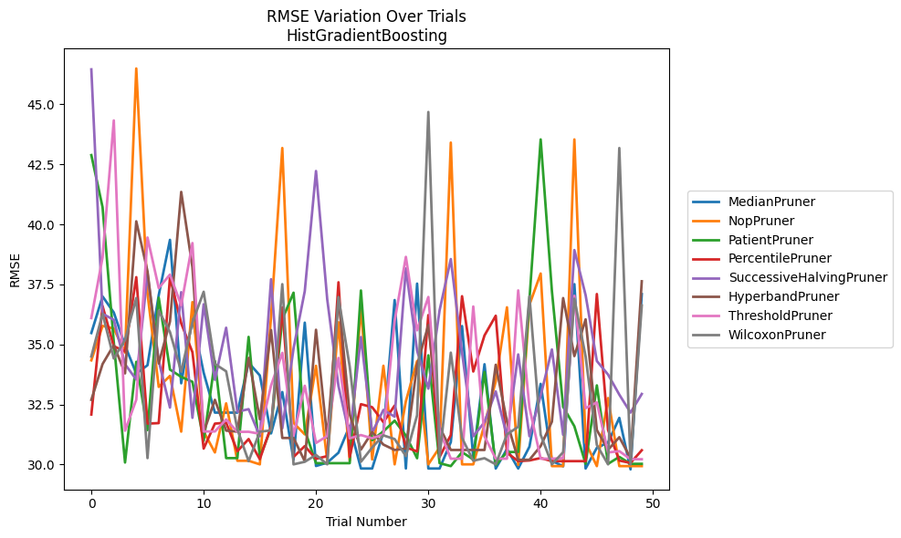
Trial | MedianPruner | NopPruner | PatientPruner | PercentilePruner | SuccessiveHalvingPruner | HyperbandPruner | ThresholdPruner | WilcoxonPruner
1 | 35.475027303 | 34.337550146 | 42.883459416 | 32.080815727 | 46.454732136 | 32.692153121 | 36.097758216 | 34.496988584
2 | 36.998622872 | 35.77274214 | 40.716337028 | 36.596714611 | 36.27722627 | 34.182917728 | 38.624926556 | 36.279833705
3 | 36.329187807 | 35.663915138 | 35.091761914 | 34.926694106 | 36.023670872 | 34.974466437 | 44.327005541 | 34.412560444
4 | 34.952697177 | 34.660160964 | 30.082563996 | 34.708349919 | 34.176253969 | 33.794590612 | 31.406512819 | 35.186153994
5 | 33.792078302 | 46.490189869 | 34.275635487 | 37.80130559 | 33.535047044 | 40.126162005 | 32.701254229 | 36.931265114
6 | 34.132809109 | 37.12125181 | 31.431647651 | 31.702087076 | 37.941406985 | 38.044702637 | 39.451935558 | 30.266034585
7 | 37.052791734 | 33.23028317 | 36.944382799 | 31.723054312 | 34.319318345 | 34.206430144 | 37.349199518 | 36.404039203
8 | 39.354977268 | 33.689661188 | 33.952636088 | 37.78894743 | 32.370043426 | 35.954376593 | 37.908063976 | 35.517457299
9 | 33.380489113 | 31.367985318 | 33.64919108 | 35.882846605 | 37.176325835 | 41.351578081 | 36.628524179 | 33.870042835
10 | 36.072556334 | 36.762952475 | 33.442458566 | 34.675365803 | 31.943487679 | 38.213310374 | 39.220660227 | 35.918000485
11 | 33.822069874 | 31.367985318 | 30.986020064 | 30.662384351 | 36.672279391 | 31.3464227 | 31.375767079 | 37.193060692
12 | 32.159992873 | 30.501143296 | 34.309693688 | 31.702087076 | 33.526986777 | 32.692153121 | 31.375767079 | 34.184800881
13 | 32.159992873 | 32.546095576 | 30.266034585 | 31.741015443 | 35.695359425 | 31.41009396 | 31.875658582 | 33.881405846
14 | 32.159992873 | 30.154674916 | 30.266034585 | 30.552947924 | 32.197357977 | 31.367985318 | 31.357758045 | 31.462242706
15 | 34.242384491 | 30.154674916 | 35.314036313 | 31.059055706 | 32.304275795 | 34.438399091 | 31.362358683 | 30.136811306
16 | 33.707170922 | 30.005960467 | 30.307498746 | 30.219780884 | 31.176242962 | 31.883869749 | 31.277636304 | 31.367985318
17 | 31.293606828 | 36.164594885 | 31.511973969 | 31.589933908 | 37.714517825 | 35.598319834 | 33.28859461 | 31.419134806
18 | 33.017028252 | 43.178361852 | 36.042658766 | 36.543440829 | 31.507967938 | 31.104452451 | 34.648322926 | 37.508465371
19 | 30.196011268 | 31.733287519 | 37.154160506 | 30.313801272 | 34.832085806 | 31.104452451 | 31.198173575 | 30.005960467
20 | 35.906676565 | 31.253744422 | 31.436605344 | 30.766462766 | 37.218105875 | 30.136811306 | 33.27816054 | 30.112886168
21 | 29.937703494 | 34.108942451 | 30.054779513 | 30.234728974 | 42.220570232 | 35.61017403 | 30.896672392 | 30.397931864
22 | 30.078046465 | 30.154674916 | 30.054779513 | 30.349146285 | 36.875354589 | 31.104452451 | 31.18549324 | 30.005960467
23 | 30.490772548 | 35.923854764 | 30.054779513 | 37.588052474 | 33.26772296 | 36.980370866 | 34.437268061 | 36.964170012
24 | 31.612702757 | 30.157165723 | 30.054779513 | 30.313801272 | 31.176242962 | 32.083838716 | 31.091994129 | 34.081038174
25 | 29.833184313 | 36.587722753 | 37.24611218 | 32.512163233 | 35.307952325 | 30.620786559 | 31.225803261 | 30.112886168
26 | 29.833184313 | 30.210652817 | 31.012330425 | 32.385965621 | 31.33297952 | 31.346455572 | 31.091994129 | 30.708333573
27 | 31.345603088 | 34.112064386 | 31.381864309 | 31.763929858 | 32.271760032 | 30.828944173 | 31.251241793 | 31.213492261
28 | 36.848155674 | 30.005960467 | 31.824719325 | 32.453910618 | 31.992482765 | 30.604631237 | 35.976357222 | 31.059055706
29 | 29.833184313 | 32.635539702 | 31.204974773 | 30.7137427 | 38.163255745 | 30.660731899 | 38.64598639 | 30.349146285
30 | 37.532456897 | 34.309693688 | 30.261313303 | 30.54371959 | 34.741813679 | 34.137350472 | 35.587942569 | 32.051830605
31 | 29.833184313 | 30.005960467 | 34.546293147 | 36.222363339 | 33.158537208 | 35.807423465 | 36.975926556 | 44.678301731
32 | 29.833184313 | 30.708333573 | 30.054779513 | 30.313801272 | 36.414111323 | 31.566872068 | 31.415247971 | 30.303713982
33 | 30.931874289 | 43.404548734 | 29.933061747 | 31.224344199 | 38.554512649 | 30.604631237 | 30.241704155 | 34.657779946
34 | 35.764626138 | 30.005960467 | 30.516749859 | 37.007456102 | 34.666033459 | 30.604631237 | 30.241704155 | 31.102888698
35 | 30.287779953 | 30.005960467 | 30.20813107 | 33.871572337 | 31.176242962 | 30.604631237 | 36.579051309 | 30.157165723
36 | 34.174751281 | 31.660528493 | 33.85251695 | 35.37504552 | 31.762014296 | 30.604631237 | 31.173451034 | 30.261313303
37 | 29.833184313 | 33.466599712 | 29.974904807 | 36.193864156 | 33.042911094 | 34.152679469 | 30.241704155 | 30.005960467
38 | 30.646279291 | 36.545924228 | 30.521028555 | 30.489903523 | 31.176242962 | 31.787719416 | 30.241704155 | 31.253810759
39 | 29.833184313 | 29.984504408 | 30.521028555 | 30.139475045 | 34.583395309 | 30.196011268 | 37.249610665 | 31.569409693
40 | 30.740688844 | 36.650520578 | 36.866673066 | 30.168182203 | 31.176242962 | 30.196011268 | 32.374453039 | 37.004777131
41 | 33.357348243 | 37.952192837 | 43.536774775 | 30.269089836 | 32.862182301 | 30.767347434 | 30.241704155 | 31.240357993
42 | 30.154062234 | 29.933061747 | 37.224415327 | 30.139475045 | 34.789155063 | 31.782928605 | 30.241704155 | 30.005960467
43 | 29.92362621 | 29.933061747 | 32.403281177 | 30.139475045 | 31.234793237 | 36.929952823 | 30.263541168 | 30.512731989
44 | 37.509359351 | 43.536774775 | 31.591939986 | 30.139475045 | 38.930390243 | 34.514548106 | 37.027173397 | 36.903269912
45 | 29.833265162 | 30.913838422 | 30.027675842 | 30.139475045 | 37.052791734 | 36.045429901 | 32.345224127 | 34.505122523
46 | 30.692992212 | 29.933061747 | 33.294771071 | 37.098393087 | 34.309693688 | 31.434470485 | 32.585076328 | 30.812462498
47 | 30.915124567 | 32.766214273 | 30.027675842 | 31.436605344 | 33.744285296 | 30.614014416 | 30.500880204 | 30.005960467
48 | 31.940333866 | 29.933061747 | 30.317616557 | 30.162833831 | 32.908850041 | 31.136838671 | 30.556045699 | 43.178361852
49 | 29.796860075 | 29.933061747 | 30.027675842 | 30.064540909 | 32.161436833 | 30.269089836 | 30.219780884 | 30.005960467
50 | 37.095473615 | 29.933061747 | 30.027675842 | 30.592985554 | 32.937458343 | 37.629753485 | 30.219780884 | 36.623569207

RMSE_Trials_PGBM
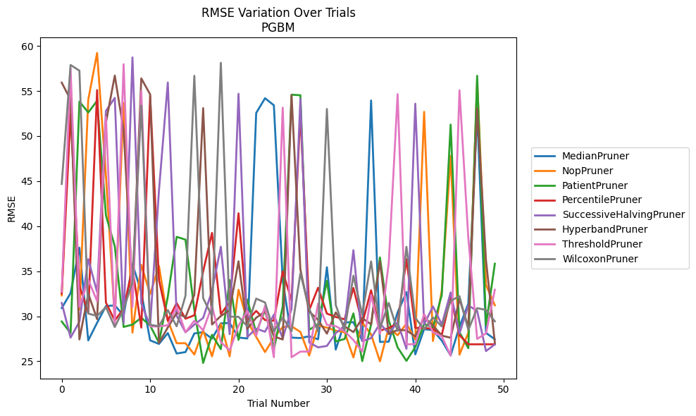
Trial | MedianPruner | NopPruner | PatientPruner | PercentilePruner | SuccessiveHalvingPruner | HyperbandPruner | ThresholdPruner | WilcoxonPruner
1 | 30.914668026 | 32.31503188 | 29.416442435 | 32.519620907 | 31.470052799 | 55.924220008 | 32.74160158 | 44.682401779
2 | 32.566711359 | 55.59418627 | 28.129359336 | 52.416936061 | 27.632087482 | 54.02840559 | 57.501333411 | 57.881778022
3 | 37.609039423 | 30.738546466 | 53.824332736 | 33.406971131 | 29.392085152 | 27.427372875 | 31.04964511 | 57.252461794
4 | 27.326437207 | 54.028986386 | 52.616460136 | 30.317313024 | 36.344240875 | 32.517513251 | 34.058945844 | 30.30440831
5 | 29.277676407 | 59.21690404 | 53.909452646 | 55.099408021 | 32.680199283 | 29.68458068 | 31.687639533 | 30.030775984
6 | 31.12819724 | 45.612983357 | 41.198054953 | 31.519254347 | 52.791985349 | 51.476634981 | 52.11298376 | 31.018588718
7 | 31.213845362 | 29.772282667 | 37.772589169 | 29.525505623 | 54.232394953 | 56.707668764 | 28.873069104 | 28.811317868
8 | 30.085908764 | 53.669325371 | 28.817552072 | 30.844307223 | 29.262892769 | 50.619152368 | 57.966349781 | 30.79282288
9 | 35.795322885 | 28.184814501 | 29.07575379 | 35.339581919 | 58.724530858 | 33.250524596 | 31.029781865 | 33.778463435
10 | 32.680845474 | 35.703126437 | 29.836622868 | 28.740521958 | 31.414646968 | 56.392923127 | 55.001201906 | 53.367087856
11 | 27.326437207 | 32.462225659 | 28.967831016 | 54.461293432 | 28.959999285 | 54.625810884 | 28.873069104 | 29.056537395
12 | 26.93144752 | 35.579887748 | 27.076267878 | 34.028138094 | 43.966989746 | 27.039806232 | 28.873069104 | 28.891615328
13 | 28.137667998 | 29.554469311 | 32.183988953 | 29.504669984 | 55.940521814 | 28.759225798 | 29.004151364 | 30.692352663
14 | 25.866823387 | 27.010404791 | 38.812244148 | 31.458529924 | 30.040972893 | 30.379966856 | 31.048245191 | 28.891615328
15 | 26.027172897 | 27.010404791 | 38.505460322 | 29.731953438 | 28.228163556 | 29.886983978 | 28.229767951 | 32.276964772
16 | 28.094656171 | 25.76099955 | 30.708380618 | 30.110433713 | 29.074940012 | 32.382294225 | 29.503702439 | 56.683997091
17 | 28.236426458 | 28.449131599 | 24.822695157 | 34.983801965 | 29.81768914 | 53.09289396 | 28.43495152 | 32.016008056
18 | 27.524043545 | 25.558825101 | 27.945887943 | 39.250832756 | 32.814846134 | 29.089628312 | 31.181404285 | 30.033202618
19 | 29.214525241 | 29.154995375 | 26.362440689 | 30.248203658 | 37.709983346 | 30.030929627 | 27.139110135 | 58.123092367
20 | 29.257447226 | 25.558825101 | 34.02263687 | 31.560149588 | 28.0126071 | 30.674493938 | 26.207758643 | 29.961746978
21 | 27.637036988 | 32.948487936 | 27.379751641 | 41.426342785 | 54.691454103 | 36.100022382 | 28.94034099 | 29.942465652
22 | 27.538966045 | 29.444851601 | 31.846463706 | 29.526808504 | 27.702769972 | 28.616842 | 30.625928568 | 28.891615328
23 | 52.561760003 | 27.717333389 | 28.15045927 | 30.593938194 | 28.631647853 | 29.838967816 | 27.840993303 | 31.959602369
24 | 54.193312377 | 26.029796667 | 30.738773677 | 29.582782363 | 28.285467851 | 30.539662157 | 31.160507562 | 31.531054478
25 | 53.413551987 | 27.61648907 | 26.322176052 | 29.504669984 | 30.175245422 | 27.760298298 | 25.456825014 | 28.342363895
26 | 33.971196266 | 28.800763839 | 31.097161372 | 34.978556335 | 27.552907814 | 27.427372875 | 53.150028623 | 29.859159525
27 | 27.629768754 | 28.887260259 | 54.586511822 | 31.766978856 | 30.832106709 | 54.5417772 | 25.456825014 | 28.342363895
28 | 27.585979719 | 28.26507542 | 54.525549992 | 52.584261767 | 54.12058469 | 35.196745279 | 26.081542803 | 34.765190037
29 | 27.779639075 | 25.644656222 | 28.499933677 | 30.691464407 | 27.092506266 | 30.531914257 | 26.081542803 | 30.864402577
30 | 27.448603548 | 28.975220415 | 29.109425471 | 33.164101877 | 26.552405733 | 29.609492986 | 31.395500735 | 28.342363895
31 | 35.443344427 | 28.740138342 | 33.934542402 | 30.297110756 | 26.707661002 | 28.077555189 | 29.052302154 | 53.003925014
32 | 26.30738655 | 28.402647015 | 27.20413817 | 29.927899362 | 28.128517452 | 30.430703005 | 28.904519314 | 31.252350249
33 | 29.312721442 | 28.230375736 | 27.478138592 | 29.664977919 | 28.936337387 | 28.870196254 | 28.342717955 | 28.483549446
34 | 29.341929671 | 25.433416466 | 30.317021856 | 33.143855247 | 37.334760524 | 28.244314649 | 27.359642637 | 34.49975854
35 | 27.289963893 | 29.309867649 | 25.021396097 | 29.225744432 | 27.235544879 | 29.79048895 | 26.081542803 | 30.212737933
36 | 53.946938732 | 27.979556235 | 29.068658548 | 32.885064645 | 27.576625228 | 29.108230129 | 32.370630259 | 36.090971142
37 | 27.150363815 | 25.001304157 | 36.525819272 | 28.422169078 | 29.197320319 | 36.095799778 | 28.057829485 | 28.63691462
38 | 27.187469213 | 28.76355046 | 29.539289234 | 28.690083922 | 28.12090801 | 28.027779673 | 35.94280979 | 31.47464182
39 | 30.435186393 | 27.897235024 | 26.546398234 | 29.225744432 | 29.32170302 | 28.490077781 | 54.64827447 | 28.369324237
40 | 32.674638465 | 29.180707012 | 25.051490947 | 36.329077489 | 26.391932906 | 28.441114598 | 26.8825059 | 37.709983346
41 | 25.774477278 | 27.435435861 | 26.578650716 | 28.708568395 | 53.588117868 | 27.760298298 | 26.9159815 | 29.821873715
42 | 28.5726853 | 52.684404739 | 29.138308797 | 28.708568395 | 29.110603244 | 29.915674953 | 30.255930882 | 28.551144339
43 | 28.451625022 | 27.258297617 | 28.774276019 | 28.603100703 | 31.091218675 | 28.977147261 | 28.229595568 | 29.865882258
44 | 27.297656868 | 32.893837733 | 32.384050484 | 27.948771571 | 29.082074908 | 27.853942449 | 27.770551847 | 28.865642625
45 | 25.652302653 | 47.792997461 | 51.269992001 | 32.113072125 | 32.639246544 | 27.614423155 | 25.634106289 | 31.714504819
46 | 28.842223278 | 25.738039761 | 28.224426628 | 27.902540065 | 28.086860465 | 31.909637887 | 55.077085667 | 32.227417936
47 | 31.397421565 | 28.165451742 | 26.462398676 | 26.892142083 | 31.205811869 | 28.809501152 | 38.683454646 | 28.483549446
48 | 52.648031786 | 56.123314237 | 56.683997091 | 26.892142083 | 30.588605277 | 53.068458944 | 27.48708713 | 30.904399667
49 | 28.154624435 | 33.465738476 | 29.00617082 | 26.892142083 | 26.137200006 | 36.21253576 | 28.099344577 | 30.702332571
50 | 27.451249162 | 31.219384284 | 35.830705668 | 26.892142083 | 26.88406238 | 27.059819153 | 32.947377221 | 29.443363166

