Bands_95Coverage
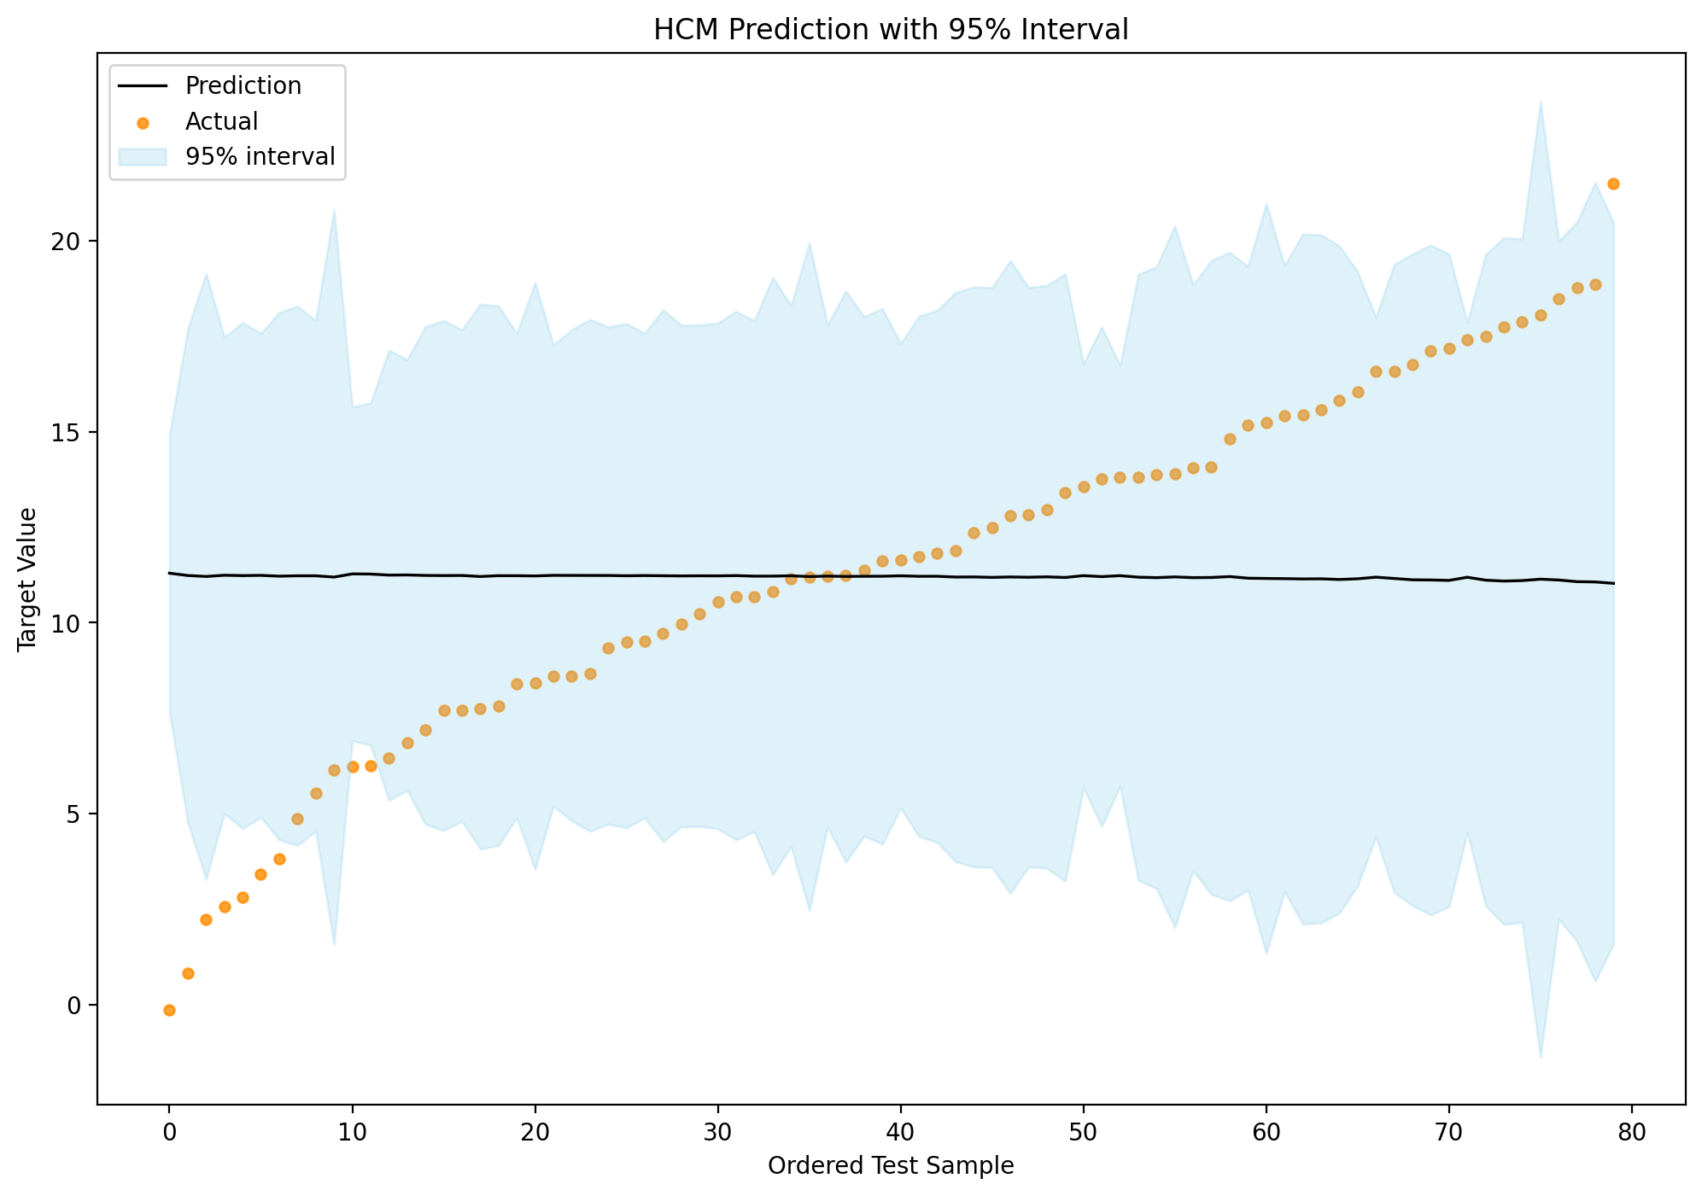
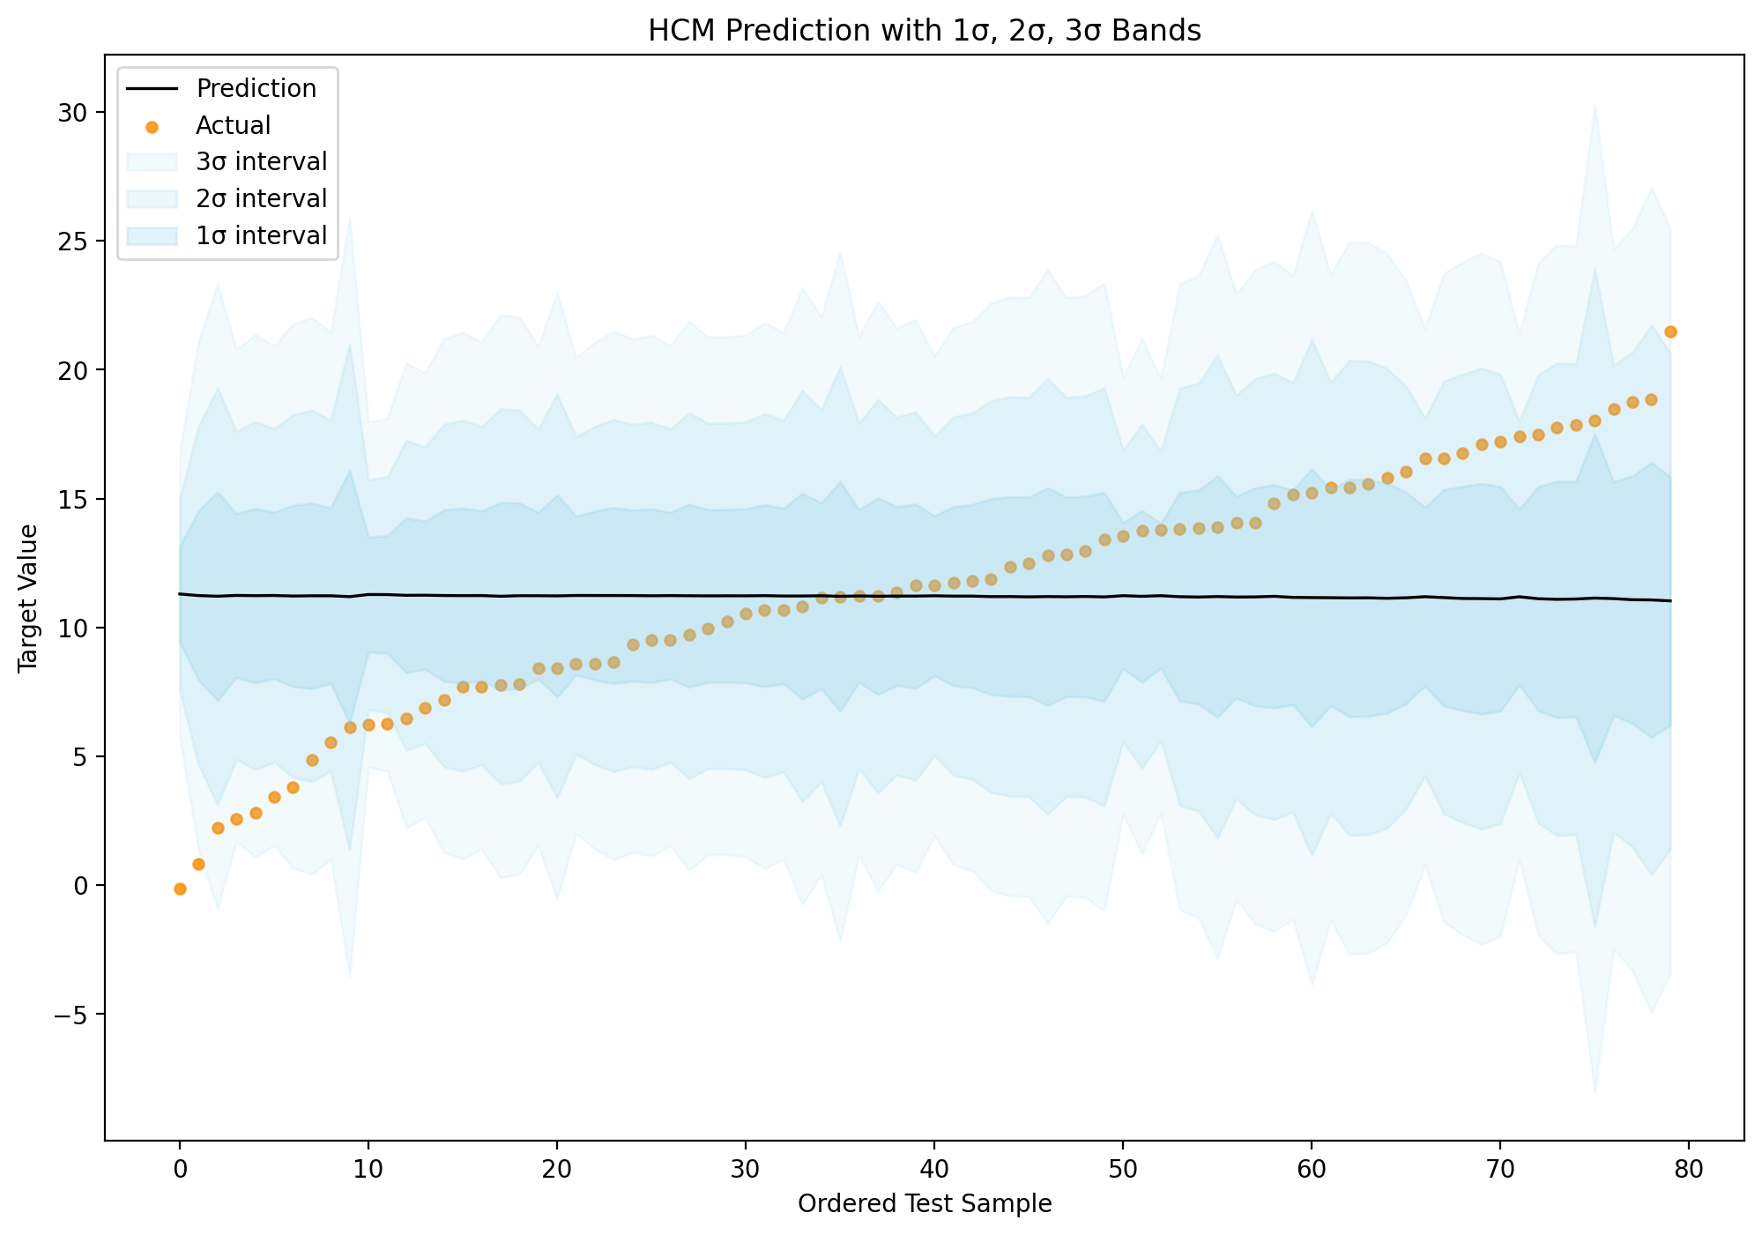
Mean | Mean_Scaled | Sigma_Hat_Raw | Sigma_Hat_Raw_Scaled | Sigma_Hat | Sigma_Hat_Scaled | StdDev | Confidence | Confidence_Normalized | RawUncertainty | Magnitude_R | Direction_Norm | Direction_Norm_Squared | Absolute_Error | Actual | Lower_1Sigma | Upper_1Sigma | Coverage_1Sigma | Lower_2Sigma | Upper_2Sigma | Coverage_2Sigma | Lower_3Sigma | Upper_3Sigma | Coverage_3Sigma | Lower_95 | Upper_95 | Coverage_95
11.295896581 | -0.018492367119 | 0.30347209518 | 0.065229319036 | 1.8581731553 | 0.39940202575 | 1.8581731553 | 0.67072100003 | 1 | 0.2264646382 | 0.068043544888 | 0.28461870551 | 0.081007800996 | 11.421043119 | -0.12514653802 | 9.4377234259 | 13.154069736 | 0 | 7.5795502706 | 15.012242892 | 0 | 5.7213771153 | 16.870416047 | 0 | 7.6538771968 | 14.937915966 | 0
11.235579008 | -0.031457230449 | 0.53787242656 | 0.11561211944 | 3.2934168245 | 0.70789815663 | 3.2934168245 | 0.4926786433 | 0.57320140661 | 0.41107593311 | 0.11981537938 | 0.26254829764 | 0.068931609392 | 10.413459355 | 0.82211965322 | 7.9421621833 | 14.528995832 | 0 | 4.6487453588 | 17.822412657 | 0 | 1.3553285343 | 21.115829481 | 0 | 4.7804820318 | 17.690675984 | 0
11.210402844 | -0.036868680269 | 0.66031569896 | 0.14193049073 | 4.0431424349 | 0.86904671628 | 4.0431424349 | 0.41935111936 | 0.39742253776 | 0.50768411566 | 0.14686210454 | 0.25696727633 | 0.0660321787 | 8.9672323442 | 2.2431704998 | 7.1672604091 | 15.253545279 | 0 | 3.1241179742 | 19.296687714 | 0 | -0.91902446071 | 23.339830149 | 1 | 3.2858436716 | 19.134962016 | 0
11.241681089 | -0.030145628378 | 0.51931874862 | 0.11162412912 | 3.1798118281 | 0.68347951428 | 3.1798118281 | 0.50485727457 | 0.60239571064 | 0.39748713937 | 0.1156373322 | 0.26116222143 | 0.068205706775 | 8.6719579601 | 2.5697231293 | 8.0618692613 | 14.421492917 | 0 | 4.8820574333 | 17.601304745 | 0 | 1.7022456052 | 20.781116574 | 1 | 5.0092499064 | 17.474112272 | 0
11.232541819 | -0.032110054046 | 0.55146229486 | 0.11853317171 | 3.3766281933 | 0.72578388982 | 3.3766281933 | 0.48394506062 | 0.55226548512 | 0.42189224217 | 0.12280979753 | 0.26159846783 | 0.068433754146 | 8.4136800962 | 2.8188617229 | 7.8559136258 | 14.609170012 | 0 | 4.4792854325 | 17.985798206 | 0 | 1.1026572392 | 21.362426399 | 1 | 4.6143505602 | 17.850733078 | 0
11.238763748 | -0.030772691593 | 0.52771301584 | 0.11342842132 | 3.2312103001 | 0.69452727579 | 3.2312103001 | 0.49931042833 | 0.58909895242 | 0.4035233873 | 0.11753609031 | 0.26205915213 | 0.068675003946 | 7.8269879206 | 3.4117758274 | 8.0075534479 | 14.469974048 | 0 | 4.7763431478 | 17.701184348 | 0 | 1.5451328476 | 20.932394648 | 1 | 4.9055915598 | 17.571935936 | 0
11.218153991 | -0.035202622414 | 0.57496719978 | 0.12358539551 | 3.5205497731 | 0.75671888118 | 3.5205497731 | 0.46920341627 | 0.51692719152 | 0.43377190781 | 0.12852478027 | 0.27456480265 | 0.075385831296 | 7.4039490602 | 3.8142049313 | 7.6976042184 | 14.738703765 | 0 | 4.1770544453 | 18.259253538 | 0 | 0.65650467218 | 21.779803311 | 1 | 4.3178764362 | 18.118431547 | 0
11.227834308 | -0.033121902496 | 0.58799788471 | 0.12638625503 | 3.6003372373 | 0.77386866872 | 3.6003372373 | 0.46122528454 | 0.49780221777 | 0.45081296215 | 0.13087278605 | 0.25959196687 | 0.067387990654 | 6.3624888296 | 4.8653454781 | 7.6274970704 | 14.828171545 | 0 | 4.0271598331 | 18.428508782 | 1 | 0.42682259588 | 22.028846019 | 1 | 4.1711733226 | 18.284495293 | 1
11.227223355 | -0.033253222704 | 0.55651872402 | 0.11962001771 | 3.4075889343 | 0.73243869625 | 3.4075889343 | 0.48073519229 | 0.54457087069 | 0.42273933635 | 0.12416990101 | 0.26822018623 | 0.071942061186 | 5.6953596657 | 5.5318636894 | 7.8196344208 | 14.634812289 | 0 | 4.4120454865 | 18.042401224 | 1 | 1.0044565522 | 21.449990158 | 1 | 4.5483490439 | 17.906097666 | 1
11.194280394 | -0.040334094316 | 0.80171137768 | 0.17232255638 | 4.9089144734 | 1.0551386879 | 4.9089144734 | 0.34814414059 | 0.22672698566 | 0.62694314171 | 0.17755845189 | 0.24105396867 | 0.058107018471 | 5.0591509419 | 6.1351294518 | 6.2853659202 | 16.103194867 | 0 | 1.3764514467 | 21.012109341 | 1 | -3.5324630267 | 25.921023814 | 1 | 1.5728080257 | 20.815752762 | 1
11.277153791 | -0.022521005943 | 0.36417513836 | 0.078277036548 | 2.2298605924 | 0.47929378121 | 2.2298605924 | 0.61922054261 | 0.87654441791 | 0.27329099418 | 0.081525251269 | 0.27946135402 | 0.078098654747 | 5.0485141879 | 6.2286396027 | 9.0472931982 | 13.507014383 | 0 | 6.8174326058 | 15.736874975 | 0 | 4.5875720134 | 17.966735568 | 1 | 6.9066270295 | 15.647680552 | 0
11.27327099 | -0.023355588317 | 0.37297506657 | 0.080168522894 | 2.2837429448 | 0.49087543636 | 2.2837429448 | 0.61209031345 | 0.85945201456 | 0.27850137901 | 0.083612725139 | 0.28405600786 | 0.080687813461 | 5.0158666623 | 6.2574043274 | 8.9895280449 | 13.557013934 | 0 | 6.7057851001 | 15.840756879 | 0 | 4.4220421553 | 18.124499824 | 1 | 6.7971348179 | 15.749407161 | 0
11.245778281 | -0.029264964163 | 0.49071855732 | 0.10547670722 | 3.0046915829 | 0.6458385762 | 3.0046915829 | 0.52422275701 | 0.64881815089 | 0.37283242836 | 0.10948266089 | 0.26803150773 | 0.071840889752 | 4.7794992511 | 6.4662790298 | 8.241086698 | 14.250469864 | 0 | 5.2363951152 | 17.255161447 | 1 | 2.2317035323 | 20.25985303 | 1 | 5.3565827785 | 17.134973783 | 1
11.249550195 | -0.028454216197 | 0.46975909448 | 0.10097160935 | 2.8763558584 | 0.61825366131 | 2.8763558584 | 0.53888469154 | 0.68396536614 | 0.35562804201 | 0.10490806401 | 0.27136304975 | 0.073637910187 | 4.3817847683 | 6.8677654266 | 8.3731943366 | 14.125906053 | 0 | 5.4968384782 | 17.002261912 | 1 | 2.6204826198 | 19.87861777 | 1 | 5.6118927125 | 16.887207677 | 1
11.237259938 | -0.031095925719 | 0.54241501154 | 0.11658851802 | 3.3212312746 | 0.71387668866 | 3.3212312746 | 0.48974193559 | 0.56616160585 | 0.4161892789 | 0.12070284784 | 0.2588647604 | 0.067010968924 | 4.0483942759 | 7.1888656616 | 7.9160286629 | 14.558491212 | 0 | 4.5947973882 | 17.879722487 | 1 | 1.2735661136 | 21.200953761 | 1 | 4.7276466392 | 17.746873236 | 1
11.233428013 | -0.031919572502 | 0.55594778989 | 0.11949729919 | 3.4040930792 | 0.73168728533 | 3.4040930792 | 0.48109655772 | 0.54543712666 | 0.42547060673 | 0.1237975508 | 0.26127710938 | 0.068265721202 | 3.5282940982 | 7.7051339149 | 7.829334934 | 14.637521092 | 0 | 4.4252418548 | 18.041614172 | 1 | 1.0211487755 | 21.445707251 | 1 | 4.5614055779 | 17.905450448 | 1
11.236161329 | -0.03133206442 | 0.53598897828 | 0.11520728469 | 3.2818843867 | 0.70541933544 | 3.2818843867 | 0.49390142046 | 0.5761326168 | 0.4094246922 | 0.11941206455 | 0.26302984357 | 0.069184698164 | 3.5297709478 | 7.7063903809 | 7.9542769419 | 14.518045715 | 0 | 4.6723925552 | 17.799930102 | 1 | 1.3905081684 | 21.081814489 | 1 | 4.8036679306 | 17.668654727 | 1
11.208993533 | -0.037171602249 | 0.59402993842 | 0.12768280506 | 3.6372717708 | 0.78180750233 | 3.6372717708 | 0.45757818974 | 0.4890594952 | 0.44572353382 | 0.13298612833 | 0.27958402038 | 0.078167229891 | 3.445194343 | 7.7637991905 | 7.5717217627 | 14.846265304 | 1 | 3.9344499919 | 18.483537075 | 1 | 0.29717822115 | 22.120808846 | 1 | 4.0799408628 | 18.338046204 | 1
11.230684039 | -0.032509371638 | 0.5883217757 | 0.12645587325 | 3.6023204362 | 0.77429494421 | 3.6023204362 | 0.4610287174 | 0.49733101205 | 0.45429253719 | 0.13070556521 | 0.25292259455 | 0.063969835639 | 3.42060208 | 7.8100819588 | 7.6283636026 | 14.833004475 | 1 | 4.0260431664 | 18.435324911 | 1 | 0.42372273019 | 22.037645347 | 1 | 4.1701359838 | 18.291232094 | 1
11.229634426 | -0.032734978944 | 0.52784012503 | 0.1134557426 | 3.2319885954 | 0.6946945652 | 3.2319885954 | 0.49922690597 | 0.58889873475 | 0.39707073286 | 0.11808422208 | 0.27722999454 | 0.076856471598 | 2.824081562 | 8.4055528641 | 7.9976458307 | 14.461623021 | 1 | 4.7656572354 | 17.693611617 | 1 | 1.53366864 | 20.925600212 | 1 | 4.8949367792 | 17.564332073 | 1
11.223895708 | -0.033968478441 | 0.63986508883 | 0.13753476739 | 3.9179224382 | 0.84213150647 | 3.9179224382 | 0.43079130966 | 0.42484666995 | 0.49595606595 | 0.1420224905 | 0.24939720333 | 0.062198963016 | 2.8032623919 | 8.420633316 | 7.3059732697 | 15.141818146 | 1 | 3.3880508315 | 19.059740584 | 1 | -0.52987160672 | 22.977663023 | 1 | 3.544767729 | 18.903023687 | 1
11.23938159 | -0.030639890581 | 0.50301206441 | 0.10811911523 | 3.0799652743 | 0.66201815816 | 3.0799652743 | 0.51580929861 | 0.62864962314 | 0.38027027434 | 0.11237692833 | 0.27265694737 | 0.07434181869 | 2.6368053341 | 8.6025762558 | 8.1594163155 | 14.319346864 | 1 | 5.0794510412 | 17.399312139 | 1 | 1.9994857668 | 20.479277413 | 1 | 5.2026496522 | 17.276113528 | 1
11.237621819 | -0.031018141657 | 0.53522192095 | 0.11504241079 | 3.2771876606 | 0.70440980522 | 3.2771876606 | 0.49440028063 | 0.57732847168 | 0.40961526933 | 0.11918186396 | 0.26126262546 | 0.068258166313 | 2.6340556494 | 8.6035661697 | 7.9604341586 | 14.51480948 | 1 | 4.683246498 | 17.79199714 | 1 | 1.4060588375 | 21.069184801 | 1 | 4.8143340045 | 17.660909634 | 1
11.236802247 | -0.031194303185 | 0.55804458889 | 0.11994799227 | 3.4169318728 | 0.73444689908 | 3.4169318728 | 0.47977074725 | 0.54225892764 | 0.43035645931 | 0.1240196079 | 0.25413185358 | 0.06458299607 | 2.5679751905 | 8.6688270569 | 7.8198703745 | 14.65373412 | 1 | 4.4029385017 | 18.070665993 | 1 | 0.98600662886 | 21.487597866 | 1 | 4.5396157766 | 17.933988718 | 1
11.235720311 | -0.031426858157 | 0.5420844306 | 0.11651746184 | 3.3192071128 | 0.71344160847 | 3.3192071128 | 0.48995505897 | 0.56667249977 | 0.41466802421 | 0.12072515488 | 0.26171022654 | 0.068492241204 | 1.8864094365 | 9.3493108749 | 7.9165131987 | 14.554927424 | 1 | 4.5973060859 | 17.874134537 | 1 | 1.2780989731 | 21.19334165 | 1 | 4.7300743704 | 17.741366252 | 1
11.228494742 | -0.032979946584 | 0.54989396783 | 0.11819607019 | 3.3670252571 | 0.72371980221 | 3.3670252571 | 0.48494499725 | 0.55466250769 | 0.41746293585 | 0.12271104753 | 0.26876267791 | 0.072233371437 | 1.7222348234 | 9.5062599182 | 7.8614694846 | 14.595519999 | 1 | 4.4944442275 | 17.962545256 | 1 | 1.1274189704 | 21.329570513 | 1 | 4.6291252378 | 17.827864245 | 1
11.233997422 | -0.031797181815 | 0.52799902018 | 0.11348989606 | 3.2329615175 | 0.69490368836 | 3.2329615175 | 0.49912251698 | 0.58864849612 | 0.40038174176 | 0.11786147952 | 0.26982581615 | 0.072805978358 | 1.7134085473 | 9.5205888748 | 8.0010359047 | 14.46695894 | 1 | 4.7680743872 | 17.699920457 | 1 | 1.5351128698 | 20.932881974 | 1 | 4.8973928479 | 17.570601996 | 1
11.228815357 | -0.032911032438 | 0.57971467771 | 0.12460583448 | 3.5496187919 | 0.76296707444 | 3.5496187919 | 0.46628088243 | 0.509921368 | 0.44375110564 | 0.12908296287 | 0.261084795 | 0.068165265024 | 1.5047085683 | 9.7241067886 | 7.6791965651 | 14.778434149 | 1 | 4.1295777732 | 18.328052941 | 1 | 0.57995898138 | 21.877671733 | 1 | 4.2715625249 | 18.186068189 | 1
11.224225994 | -0.033897485584 | 0.54680133576 | 0.11753132939 | 3.3480889332 | 0.71964956467 | 3.3480889332 | 0.48692286104 | 0.55940379227 | 0.41123233252 | 0.12233448774 | 0.27745911479 | 0.076983563602 | 1.2642459833 | 9.959980011 | 7.8761370611 | 14.572314927 | 1 | 4.5280481279 | 17.920403861 | 1 | 1.1799591947 | 21.268492794 | 1 | 4.6619716852 | 17.786480303 | 1
11.227297447 | -0.033237297088 | 0.54679558171 | 0.1175300926 | 3.3480537008 | 0.71964199172 | 3.3480537008 | 0.4869265485 | 0.55941263176 | 0.41360272651 | 0.12213978916 | 0.27213591337 | 0.07405795157 | 0.99663891605 | 10.230658531 | 7.8792437464 | 14.575351148 | 1 | 4.5311900456 | 17.923404849 | 1 | 1.1831363447 | 21.27145855 | 1 | 4.6651121936 | 17.789482701 | 1
11.226021191 | -0.033511620015 | 0.55143400986 | 0.11852709204 | 3.376455003 | 0.72574666371 | 3.376455003 | 0.48396307635 | 0.55230867196 | 0.41714063935 | 0.12317353487 | 0.2720707655 | 0.074022494256 | 0.67043437569 | 10.555586815 | 7.8495661876 | 14.602476194 | 1 | 4.4731111846 | 17.978931197 | 1 | 1.0966561815 | 21.3553862 | 1 | 4.6081693847 | 17.843872996 | 1
11.232573016 | -0.032103348523 | 0.57656038018 | 0.1239278391 | 3.5303048876 | 0.75881567851 | 3.5303048876 | 0.46822062252 | 0.51457126343 | 0.44413676608 | 0.12817117572 | 0.25518152118 | 0.065117605031 | 0.54732750192 | 10.685245514 | 7.7022681282 | 14.762877903 | 1 | 4.1719632406 | 18.293182791 | 1 | 0.64165835298 | 21.823487679 | 1 | 4.3131754361 | 18.151970596 | 1
11.218593899 | -0.035108067095 | 0.55648828991 | 0.1196134761 | 3.4074025849 | 0.73239864168 | 3.4074025849 | 0.48075444832 | 0.54461703074 | 0.41507905796 | 0.12479096651 | 0.28505650163 | 0.081257209182 | 0.52951080012 | 10.689083099 | 7.8111913146 | 14.625996484 | 1 | 4.4037887297 | 18.033399069 | 1 | 0.99638614476 | 21.440801654 | 1 | 4.5400848331 | 17.897102966 | 1
11.219252531 | -0.034966498613 | 0.65114165309 | 0.13995859027 | 3.9869693434 | 0.85697268192 | 3.9869693434 | 0.42444506957 | 0.40963362518 | 0.50514338774 | 0.14449356496 | 0.24856705964 | 0.061785586178 | 0.39755338852 | 10.821699142 | 7.2322831875 | 15.206221874 | 1 | 3.2453138441 | 19.193191218 | 1 | -0.74165549933 | 23.180160561 | 1 | 3.4047926178 | 19.033712444 | 1
11.22771505 | -0.033147536218 | 0.58954822165 | 0.12671948969 | 3.6098300194 | 0.77590907943 | 3.6098300194 | 0.46028515498 | 0.49554856318 | 0.4550088479 | 0.13099485636 | 0.25339710712 | 0.064210087061 | 0.081637893562 | 11.146077156 | 7.6178850302 | 14.837545069 | 1 | 4.0080550109 | 18.447375088 | 1 | 0.39822499147 | 22.057205108 | 1 | 4.1524482116 | 18.302981888 | 1
11.207582022 | -0.037474997342 | 0.72763517922 | 0.15640036762 | 4.4553426109 | 0.95764641693 | 4.4553426109 | 0.38379511751 | 0.31218859762 | 0.57224854673 | 0.16093495488 | 0.2357096076 | 0.055559016764 | 0.013463522067 | 11.1941185 | 6.7522394109 | 15.662924633 | 1 | 2.2968967999 | 20.118267244 | 1 | -2.158445811 | 24.573609855 | 1 | 2.4751105044 | 19.940053539 | 1
11.220045811 | -0.034795988351 | 0.5473847139 | 0.11765672266 | 3.3516609835 | 0.72041735326 | 3.3516609835 | 0.48654915071 | 0.5585079434 | 0.40723270864 | 0.12284053862 | 0.2874341011 | 0.082618370652 | 0.012003666082 | 11.208042145 | 7.8683848273 | 14.571706794 | 1 | 4.5167238438 | 17.923367778 | 1 | 1.1650628603 | 21.275028761 | 1 | 4.6507902832 | 17.789301339 | 1
11.211005928 | -0.036739051342 | 0.62277463973 | 0.13386128843 | 3.8132768572 | 0.81963863118 | 3.8132768572 | 0.44059084154 | 0.44833785766 | 0.4748366334 | 0.13881476223 | 0.26475402713 | 0.070094697177 | 0.022953269905 | 11.233959198 | 7.3977290709 | 15.024282785 | 1 | 3.5844522137 | 18.837559642 | 1 | -0.22882464344 | 22.6508365 | 1 | 3.736983288 | 18.685028568 | 1
11.215081637 | -0.035863004625 | 0.56647899585 | 0.12176091224 | 3.4685761224 | 0.74554748883 | 3.4685761224 | 0.47447445935 | 0.52956280147 | 0.42333425726 | 0.12696281075 | 0.28331062198 | 0.080264911056 | 0.15481715883 | 11.369898796 | 7.7465055149 | 14.68365776 | 1 | 4.2779293925 | 18.152233882 | 1 | 0.80935327014 | 21.620810004 | 1 | 4.4166724374 | 18.013490837 | 1
11.216150609 | -0.03563323617 | 0.58381475494 | 0.12548711896 | 3.5747237474 | 0.76836321854 | 3.5747237474 | 0.46377154008 | 0.50390603656 | 0.44110136261 | 0.13044944406 | 0.2731910944 | 0.07463336736 | 0.40389028433 | 11.620040894 | 7.6414268618 | 14.790874357 | 1 | 4.0667031144 | 18.365598104 | 1 | 0.49197936703 | 21.940321851 | 1 | 4.2096920643 | 18.222609154 | 1
11.227274639 | -0.03324219957 | 0.50639721746 | 0.10884673148 | 3.1006927172 | 0.66647338487 | 3.1006927172 | 0.51351636281 | 0.62315305597 | 0.37356901692 | 0.11392251402 | 0.29516839981 | 0.087124377489 | 0.42074324431 | 11.648017883 | 8.1265819218 | 14.327967356 | 1 | 5.0258892046 | 17.428660073 | 1 | 1.9251964873 | 20.529352791 | 1 | 5.1499169132 | 17.304632365 | 1
11.21428451 | -0.036034341902 | 0.56729149637 | 0.12193555385 | 3.4735510992 | 0.74661682718 | 3.4735510992 | 0.4739673568 | 0.52834718817 | 0.42167889146 | 0.12733948231 | 0.28822475672 | 0.08307351172 | 0.52663555706 | 11.740920067 | 7.7407334106 | 14.687835609 | 1 | 4.2671823114 | 18.161386708 | 1 | 0.79363121221 | 21.634937807 | 1 | 4.4061243554 | 18.022444664 | 1
11.215058916 | -0.03586788848 | 0.58001742427 | 0.12467090786 | 3.5514725226 | 0.76336552159 | 3.5514725226 | 0.46609513115 | 0.50947608978 | 0.43495707014 | 0.12987020612 | 0.28011858463 | 0.078466415405 | 0.59481561895 | 11.809874535 | 7.6635863931 | 14.766531438 | 1 | 4.1121138705 | 18.318003961 | 1 | 0.56064134799 | 21.869476483 | 1 | 4.2541727714 | 18.17594506 | 1
11.194972128 | -0.040185410529 | 0.62064654005 | 0.13340386748 | 3.8002464081 | 0.81683782235 | 3.8002464081 | 0.44182658198 | 0.45130014311 | 0.45696141418 | 0.13970521092 | 0.29694223404 | 0.088174685836 | 0.68742647707 | 11.882398605 | 7.3947257202 | 14.995218536 | 1 | 3.5944793121 | 18.795464944 | 1 | -0.20576709598 | 22.595711353 | 1 | 3.7464891684 | 18.643455088 | 1
11.197209884 | -0.039704419672 | 0.63251403898 | 0.13595470786 | 3.8729116326 | 0.8324567316 | 3.8729116326 | 0.43497934508 | 0.43488612157 | 0.4741797004 | 0.14163671434 | 0.28039991856 | 0.078624114394 | 1.1546635135 | 12.351873398 | 7.3242982517 | 15.070121517 | 1 | 3.4513866191 | 18.94303315 | 1 | -0.42152501351 | 22.815944782 | 1 | 3.6063030844 | 18.788116684 | 1
11.185843196 | -0.042147614062 | 0.63218966271 | 0.13588498533 | 3.8709254623 | 0.83202981743 | 3.8709254623 | 0.43516508357 | 0.43533136914 | 0.45933160019 | 0.14287611842 | 0.30897977948 | 0.095468506217 | 1.2973378035 | 12.483181 | 7.314917734 | 15.056768659 | 1 | 3.4439922718 | 18.927694121 | 1 | -0.42693319049 | 22.798619583 | 1 | 3.5988292903 | 18.772857102 | 1
11.196769855 | -0.039799001068 | 0.68993016404 | 0.14829592407 | 4.2244731236 | 0.90802254811 | 4.2244731236 | 0.40332098384 | 0.35899550602 | 0.52866011275 | 0.15358312428 | 0.26012709737 | 0.067666105926 | 1.6140020872 | 12.810771942 | 6.9722967314 | 15.421242979 | 1 | 2.7478236077 | 19.645716102 | 1 | -1.4766495159 | 23.870189226 | 1 | 2.9168025327 | 19.476737177 | 1
11.189452272 | -0.041371867061 | 0.63169453655 | 0.13577856123 | 3.8678937827 | 0.83137817796 | 3.8678937827 | 0.43544874672 | 0.43601135922 | 0.46143155351 | 0.14253048599 | 0.30413720012 | 0.092499442399 | 1.6423920576 | 12.83184433 | 7.3215584896 | 15.057346055 | 1 | 3.4536647069 | 18.925239838 | 1 | -0.41422907585 | 22.79313362 | 1 | 3.6083804582 | 18.770524086 | 1
11.199714147 | -0.039166145027 | 0.63556077725 | 0.13660958409 | 3.8915669467 | 0.83646656794 | 3.8915669467 | 0.43323864139 | 0.43071335113 | 0.47890527131 | 0.14211684465 | 0.27568390965 | 0.076001621783 | 1.7565627468 | 12.956276894 | 7.3081472001 | 15.091281093 | 1 | 3.4165802534 | 18.98284804 | 1 | -0.47498669333 | 22.874414987 | 1 | 3.5722429312 | 18.827185362 | 1
11.183666655 | -0.042615447193 | 0.66238410896 | 0.14237508178 | 4.0558074015 | 0.87176896705 | 4.0558074015 | 0.41821109287 | 0.39468969536 | 0.48960064119 | 0.14892832935 | 0.29337543249 | 0.086069136858 | 2.2305245909 | 13.414191246 | 7.1278592536 | 15.239474057 | 1 | 3.0720518521 | 19.295281458 | 1 | -0.9837555494 | 23.35108886 | 1 | 3.2342841482 | 19.133049162 | 1
11.231495707 | -0.032334908843 | 0.46224665375 | 0.099356859922 | 2.8303568492 | 0.60836647862 | 2.8303568492 | 0.54423916967 | 0.69680098444 | 0.33417272508 | 0.10463213176 | 0.31351664662 | 0.098292686045 | 2.328435094 | 13.559930801 | 8.4011388582 | 14.061852557 | 1 | 5.570782009 | 16.892209406 | 1 | 2.7404251598 | 19.722566255 | 1 | 5.683996283 | 16.778995132 | 1
11.205858439 | -0.037845470011 | 0.54437451043 | 0.11700969934 | 3.3332293736 | 0.71645560065 | 3.3332293736 | 0.48848056143 | 0.5631378719 | 0.39274212252 | 0.12330143899 | 0.31535819173 | 0.099450796843 | 2.5514924824 | 13.757350922 | 7.8726290657 | 14.539087813 | 1 | 4.5393996921 | 17.872317186 | 1 | 1.2061703185 | 21.20554656 | 1 | 4.672728867 | 17.738988011 | 1
11.230912069 | -0.032460357994 | 0.45893054938 | 0.098644085228 | 2.8100521944 | 0.60400212742 | 2.8100521944 | 0.5466196113 | 0.70250731837 | 0.33137302996 | 0.10392110795 | 0.31461045146 | 0.098979733884 | 2.5688821278 | 13.799794197 | 8.4208598748 | 14.040964264 | 1 | 5.6108076804 | 16.851016458 | 1 | 2.800755486 | 19.661068653 | 1 | 5.7232097682 | 16.73861437 | 1
11.191683945 | -0.040892183781 | 0.66094143527 | 0.14206498861 | 4.0469738462 | 0.8698702528 | 4.0469738462 | 0.41900591057 | 0.39659501205 | 0.49751714841 | 0.14783424139 | 0.27663564682 | 0.076527282596 | 2.6243627698 | 13.816046715 | 7.1447100987 | 15.238657791 | 1 | 3.0977362525 | 19.285631637 | 1 | -0.94923759378 | 23.332605484 | 1 | 3.2596152063 | 19.123752684 | 1
11.178865987 | -0.043647319078 | 0.67799576554 | 0.14573070407 | 4.15139827 | 0.8923155918 | 4.15139827 | 0.40970594177 | 0.37430136421 | 0.49911147269 | 0.15262104571 | 0.29707786441 | 0.088255263865 | 2.6937164488 | 13.872582436 | 7.0274677168 | 15.330264257 | 1 | 2.8760694467 | 19.481662527 | 1 | -1.2753288233 | 23.633060797 | 1 | 3.0421253775 | 19.315606596 | 1
11.197942764 | -0.039546892047 | 0.76487002559 | 0.16440375149 | 4.6833332337 | 1.0066514929 | 4.6833332337 | 0.36544061361 | 0.26818964932 | 0.60069556227 | 0.16922602057 | 0.23702314496 | 0.056179970503 | 2.7005958255 | 13.898538589 | 6.5146095303 | 15.881275998 | 1 | 1.8312762966 | 20.564609231 | 1 | -2.8520569371 | 25.247942465 | 1 | 2.0186096259 | 20.377275902 | 1
11.179487165 | -0.043513800949 | 0.63903539547 | 0.13735643029 | 3.9128421889 | 0.84103954048 | 3.9128421889 | 0.43126197605 | 0.4259749394 | 0.46107986281 | 0.1447378695 | 0.31527203321 | 0.099396452308 | 2.8746214548 | 14.05410862 | 7.2666449761 | 15.092329354 | 1 | 3.3538027872 | 19.005171543 | 1 | -0.55903940165 | 22.918013732 | 1 | 3.5103164748 | 18.848657855 | 1
11.183236123 | -0.04270798713 | 0.69124929883 | 0.14857946336 | 4.2325502447 | 0.90975867184 | 4.2325502447 | 0.40262137619 | 0.35731842441 | 0.51978874412 | 0.15465794504 | 0.27759835124 | 0.077060848475 | 2.8902502047 | 14.073486328 | 6.9506858787 | 15.415786368 | 1 | 2.718135634 | 19.648336613 | 1 | -1.5144146107 | 23.880886858 | 1 | 2.8874376438 | 19.479034603 | 1
11.207101437 | -0.037578295916 | 0.70725763867 | 0.1520203501 | 4.3305700226 | 0.93082737458 | 4.3305700226 | 0.39422740167 | 0.33719660294 | 0.5520378045 | 0.15671086311 | 0.24282930791 | 0.058966074139 | 3.6078828848 | 14.814984322 | 6.8765314142 | 15.537671459 | 1 | 2.5459613916 | 19.868241482 | 1 | -1.7846086309 | 24.198811505 | 1 | 2.7191841925 | 19.695018681 | 1
11.164867026 | -0.046656303108 | 0.67999561214 | 0.14616055787 | 4.1636434199 | 0.89494760575 | 4.1636434199 | 0.40862900789 | 0.3717197658 | 0.49421553317 | 0.15366598964 | 0.30870610476 | 0.095299459994 | 4.0040382323 | 15.168905258 | 7.001223606 | 15.328510446 | 1 | 2.8375801861 | 19.492153866 | 1 | -1.3260632338 | 23.655797286 | 1 | 3.0041259229 | 19.325608129 | 1
11.158082057 | -0.048114687204 | 0.81758307602 | 0.17573407292 | 5.0060975893 | 1.0760275556 | 5.0060975893 | 0.34094723299 | 0.20947474245 | 0.62376537734 | 0.18220639229 | 0.26416280866 | 0.06978199631 | 4.0803107725 | 15.23839283 | 6.1519844681 | 16.164179647 | 1 | 1.1458868788 | 21.170277236 | 1 | -3.8602107105 | 26.176374825 | 1 | 1.3461307824 | 20.970033332 | 1
11.152552756 | -0.049303174019 | 0.68255970292 | 0.14671169221 | 4.1793434619 | 0.89832222591 | 4.1793434619 | 0.40725236433 | 0.36841971101 | 0.48194244259 | 0.1556867063 | 0.33462306857 | 0.11197260767 | 4.2646377961 | 15.417190552 | 6.9732092937 | 15.331896218 | 0 | 2.7938658318 | 19.51123968 | 1 | -1.3854776301 | 23.690583141 | 1 | 2.9610395703 | 19.344065941 | 1
11.145496515 | -0.050819866359 | 0.7523561312 | 0.16171397269 | 4.606710101 | 0.99018185744 | 4.606710101 | 0.37150912318 | 0.28273692558 | 0.54902000983 | 0.16980743408 | 0.305046767 | 0.093053534627 | 4.2915905445 | 15.437087059 | 6.5387864136 | 15.752206616 | 1 | 1.9320763126 | 20.358916717 | 1 | -2.6746337884 | 24.965626817 | 1 | 2.1163447166 | 20.174648312 | 1
11.148693257 | -0.05013274774 | 0.75026179328 | 0.16126380861 | 4.5938863766 | 0.98742548273 | 4.5938863766 | 0.37253455412 | 0.28519506245 | 0.54962411644 | 0.1691352427 | 0.30151709914 | 0.090912558138 | 4.4328363604 | 15.581529617 | 6.5548068803 | 15.742579634 | 1 | 1.9609205037 | 20.33646601 | 1 | -2.6329658729 | 24.930352387 | 1 | 2.1446759588 | 20.152710555 | 1
11.130576523 | -0.054026819766 | 0.7275476205 | 0.15638154745 | 4.454806485 | 0.95753118021 | 4.454806485 | 0.38383934735 | 0.31229462426 | 0.50897555472 | 0.16646911204 | 0.34281545877 | 0.1175224483 | 4.6821456828 | 15.812722206 | 6.6757700383 | 15.585383008 | 0 | 2.2209635533 | 20.040189493 | 1 | -2.2338429318 | 24.494995978 | 1 | 2.3991558127 | 19.861997234 | 1
11.149336446 | -0.049994498491 | 0.66960052775 | 0.14392620325 | 4.0999938551 | 0.88126655292 | 4.0999938551 | 0.41425789972 | 0.38521320163 | 0.46806916968 | 0.15325164795 | 0.3435086906 | 0.11799822748 | 4.8956598155 | 16.044996262 | 7.0493425909 | 15.249330301 | 0 | 2.9493487358 | 19.349324156 | 1 | -1.1506451194 | 23.449318011 | 1 | 3.11334849 | 19.185324402 | 1
11.191664326 | -0.040896400809 | 0.56647407371 | 0.12175985426 | 3.4685459839 | 0.74554101075 | 3.4685459839 | 0.47447753304 | 0.52957016965 | 0.40277411208 | 0.12891024351 | 0.32841932774 | 0.10785924643 | 5.3790964012 | 16.570760727 | 7.7231183418 | 14.66021031 | 0 | 4.254572358 | 18.128756293 | 1 | 0.78602637413 | 21.597302277 | 1 | 4.3933141973 | 17.990014454 | 1
11.157583101 | -0.048221934587 | 0.6847534543 | 0.14718322456 | 4.1927758993 | 0.90120943946 | 4.1927758993 | 0.40607823559 | 0.36560511954 | 0.49512096516 | 0.15498887002 | 0.3133508563 | 0.098188757896 | 5.4169122146 | 16.574495316 | 6.9648072016 | 15.350359 | 0 | 2.7720313023 | 19.5431349 | 1 | -1.4207445971 | 23.735910799 | 1 | 2.9397423382 | 19.375423864 | 1
11.122414983 | -0.055781088769 | 0.71053654965 | 0.15272513032 | 4.3506469405 | 0.93514277526 | 4.3506469405 | 0.39252981798 | 0.33312719865 | 0.4878945981 | 0.1636441052 | 0.35915985703 | 0.12899580598 | 5.6323552955 | 16.754770279 | 6.7717680429 | 15.473061924 | 0 | 2.4211211023 | 19.823708864 | 1 | -1.9295258382 | 24.174355805 | 1 | 2.59514698 | 19.649682987 | 1
11.118202355 | -0.05668656528 | 0.73024869942 | 0.15696212649 | 4.4713453115 | 0.96108609155 | 4.4713453115 | 0.38247725499 | 0.30902945123 | 0.50652065237 | 0.1675824374 | 0.35033008456 | 0.12273117155 | 6.000415656 | 17.118618011 | 6.6468570439 | 15.589547667 | 0 | 2.1755117324 | 20.060892979 | 1 | -2.2958335792 | 24.53223829 | 1 | 2.3543655448 | 19.882039166 | 1
11.107074027 | -0.059078525752 | 0.71183627317 | 0.15300449729 | 4.3586052055 | 0.93685335166 | 4.3586052055 | 0.3918589397 | 0.33151898635 | 0.47678646131 | 0.16545794904 | 0.38061544299 | 0.14486812055 | 6.0853259512 | 17.192399979 | 6.748468822 | 15.465679233 | 0 | 2.3898636165 | 19.824284438 | 1 | -1.968741589 | 24.182889644 | 1 | 2.5642078247 | 19.64994023 | 1
11.189073371 | -0.041453309357 | 0.55586993682 | 0.11948056519 | 3.4036163813 | 0.73158482228 | 3.4036163813 | 0.48114585486 | 0.54555530052 | 0.3923075526 | 0.1268093884 | 0.33503416181 | 0.11224788427 | 6.2191144951 | 17.408187866 | 7.7854569898 | 14.592689752 | 0 | 4.3818406084 | 17.996306134 | 1 | 0.97822422706 | 21.399922515 | 1 | 4.5179852637 | 17.860161479 | 1
11.113537306 | -0.057689286768 | 0.70980620043 | 0.15256814659 | 4.3461749797 | 0.93418155687 | 4.3461749797 | 0.39290730626 | 0.33403210391 | 0.48115098251 | 0.16424632072 | 0.37033462524 | 0.13714773953 | 6.3709559495 | 17.484493256 | 6.7673623264 | 15.459712286 | 0 | 2.4211873467 | 19.805887266 | 1 | -1.9249876331 | 24.152062245 | 1 | 2.5950343459 | 19.632040266 | 1
11.089628057 | -0.062828421593 | 0.7487156159 | 0.16093146801 | 4.5844190636 | 0.98539054645 | 4.5844190636 | 0.37329341005 | 0.28701417252 | 0.50381933081 | 0.17372478545 | 0.376642555 | 0.14185960591 | 6.6503583623 | 17.73998642 | 6.5052089938 | 15.674047121 | 0 | 1.9207899301 | 20.258466185 | 1 | -2.6636291335 | 24.842885248 | 1 | 2.1041666927 | 20.075089422 | 1
11.101871026 | -0.060196876526 | 0.745020957 | 0.16013732553 | 4.5617965027 | 0.98052797664 | 4.5617965027 | 0.37511299566 | 0.29137603671 | 0.50690714472 | 0.17215816677 | 0.36711490154 | 0.1347733587 | 6.7640862343 | 17.86595726 | 6.5400745232 | 15.663667529 | 0 | 1.9782780205 | 20.225464031 | 1 | -2.5835184822 | 24.787260534 | 1 | 2.1607498806 | 20.042992171 | 1
11.139260227 | -0.052160315216 | 1.0425756983 | 0.2240947485 | 6.3837374367 | 1.3721421261 | 6.3837374367 | 0.25356321299 | 0 | 0.82300630895 | 0.23039031029 | 0.23217363656 | 0.053904596716 | 6.9046755492 | 18.043935776 | 4.7555227899 | 17.522997663 | 0 | -1.6282146468 | 23.9067351 | 1 | -8.0119520835 | 30.290472536 | 1 | -1.3728651493 | 23.651385602 | 1
11.117551974 | -0.056826360524 | 0.73952604101 | 0.15895622969 | 4.5281508873 | 0.97329607422 | 4.5281508873 | 0.37783560921 | 0.29790261643 | 0.51667292251 | 0.1692866087 | 0.34397986531 | 0.11832215637 | 7.3669126716 | 18.484464645 | 6.5894010865 | 15.645702861 | 0 | 2.0612501992 | 20.173853748 | 1 | -2.4669006881 | 24.702004636 | 1 | 2.2423762347 | 19.992727713 | 1
11.07480533 | -0.06601446867 | 0.78417668769 | 0.16855359077 | 4.8015487856 | 1.0320611436 | 4.8015487856 | 0.35627187577 | 0.24621058498 | 0.52435230021 | 0.18239022791 | 0.38206088543 | 0.14597052336 | 7.687561918 | 18.762367249 | 6.2732565449 | 15.876354116 | 0 | 1.4717077592 | 20.677902902 | 1 | -3.3298410264 | 25.479451687 | 1 | 1.6637697107 | 20.48584095 | 1
11.066653808 | -0.067766584456 | 0.87114328995 | 0.18724648654 | 5.3340491647 | 1.146518577 | 5.3340491647 | 0.31774103701 | 0.15384544173 | 0.60301943852 | 0.20005898178 | 0.35211583972 | 0.12398557365 | 7.7819065251 | 18.848560333 | 5.7326046435 | 16.400702973 | 0 | 0.39855547877 | 21.734752138 | 1 | -4.9354936859 | 27.068801302 | 1 | 0.61191744536 | 21.521390171 | 1
11.030024178 | -0.075639881194 | 0.78625140635 | 0.16899953783 | 4.8142523804 | 1.0347916973 | 4.8142523804 | 0.35530038325 | 0.24388174793 | 0.50227603046 | 0.18625444174 | 0.42035791278 | 0.17670077085 | 10.461230629 | 21.491254807 | 6.2157717972 | 15.844276558 | 0 | 1.4015194168 | 20.658528939 | 0 | -3.4127329637 | 25.472781319 | 1 | 1.594089512 | 20.465958843 | 0

Uncertainty_vs_Error
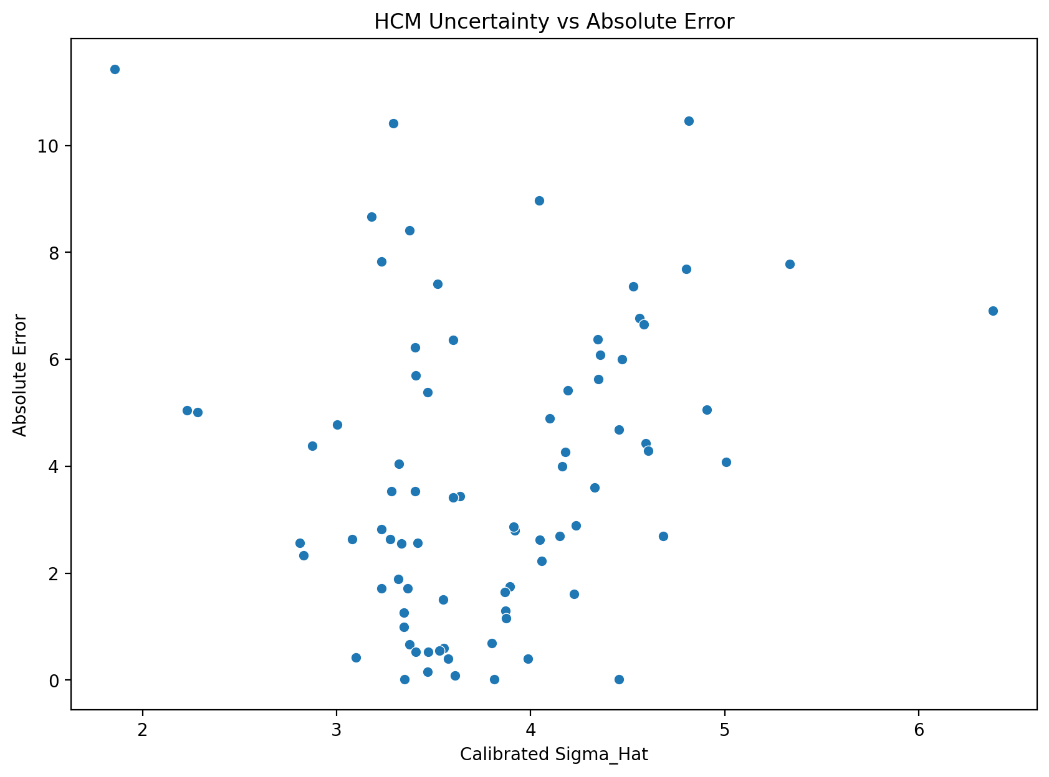
Sigma_Hat | Absolute_Error
3.0046915829 | 4.7794992511
4.8142523804 | 10.461230629
4.454806485 | 4.6821456828
3.5514725226 | 0.59481561895
3.8002464081 | 0.68742647707
3.3212312746 | 4.0483942759
4.15139827 | 2.6937164488
4.5938863766 | 4.4328363604
3.3480537008 | 0.99663891605
3.6003372373 | 6.3624888296
3.9869693434 | 0.39755338852
4.0558074015 | 2.2305245909
4.4713453115 | 6.000415656
3.3766281933 | 8.4136800962
4.0469738462 | 2.6243627698
3.376455003 | 0.67043437569
3.2818843867 | 3.5297709478
2.2298605924 | 5.0485141879
4.0999938551 | 4.8956598155
3.9179224382 | 2.8032623919
4.5617965027 | 6.7640862343
4.3305700226 | 3.6078828848
3.4169318728 | 2.5679751905
6.3837374367 | 6.9046755492
2.8303568492 | 2.328435094
3.6098300194 | 0.081637893562
3.1006927172 | 0.42074324431
2.2837429448 | 5.0158666623
3.4075889343 | 5.6953596657
3.4040930792 | 3.5282940982
4.8015487856 | 7.687561918
2.8100521944 | 2.5688821278
5.3340491647 | 7.7819065251
3.5303048876 | 0.54732750192
3.5747237474 | 0.40389028433
3.4685459839 | 5.3790964012
3.5205497731 | 7.4039490602
3.8915669467 | 1.7565627468
3.4074025849 | 0.52951080012
4.0431424349 | 8.9672323442
3.6372717708 | 3.445194343
4.606710101 | 4.2915905445
3.3516609835 | 0.012003666082
3.1798118281 | 8.6719579601
4.1927758993 | 5.4169122146
4.3461749797 | 6.3709559495
3.2329615175 | 1.7134085473
3.4685761224 | 0.15481715883
4.2325502447 | 2.8902502047
4.5844190636 | 6.6503583623
3.8709254623 | 1.2973378035
4.2244731236 | 1.6140020872
3.9128421889 | 2.8746214548
3.3332293736 | 2.5514924824
4.1793434619 | 4.2646377961
3.2319885954 | 2.824081562
3.5496187919 | 1.5047085683
4.9089144734 | 5.0591509419
4.5281508873 | 7.3669126716
3.2312103001 | 7.8269879206
4.1636434199 | 4.0040382323
3.8729116326 | 1.1546635135
3.3480889332 | 1.2642459833
3.2771876606 | 2.6340556494
2.8763558584 | 4.3817847683
3.4735510992 | 0.52663555706
1.8581731553 | 11.421043119
3.3670252571 | 1.7222348234
3.8132768572 | 0.022953269905
4.3586052055 | 6.0853259512
3.0799652743 | 2.6368053341
3.3192071128 | 1.8864094365
3.6023204362 | 3.42060208
4.4553426109 | 0.013463522067
5.0060975893 | 4.0803107725
3.4036163813 | 6.2191144951
3.8678937827 | 1.6423920576
4.3506469405 | 5.6323552955
3.2934168245 | 10.413459355
4.6833332337 | 2.7005958255

Confidence_Distribution
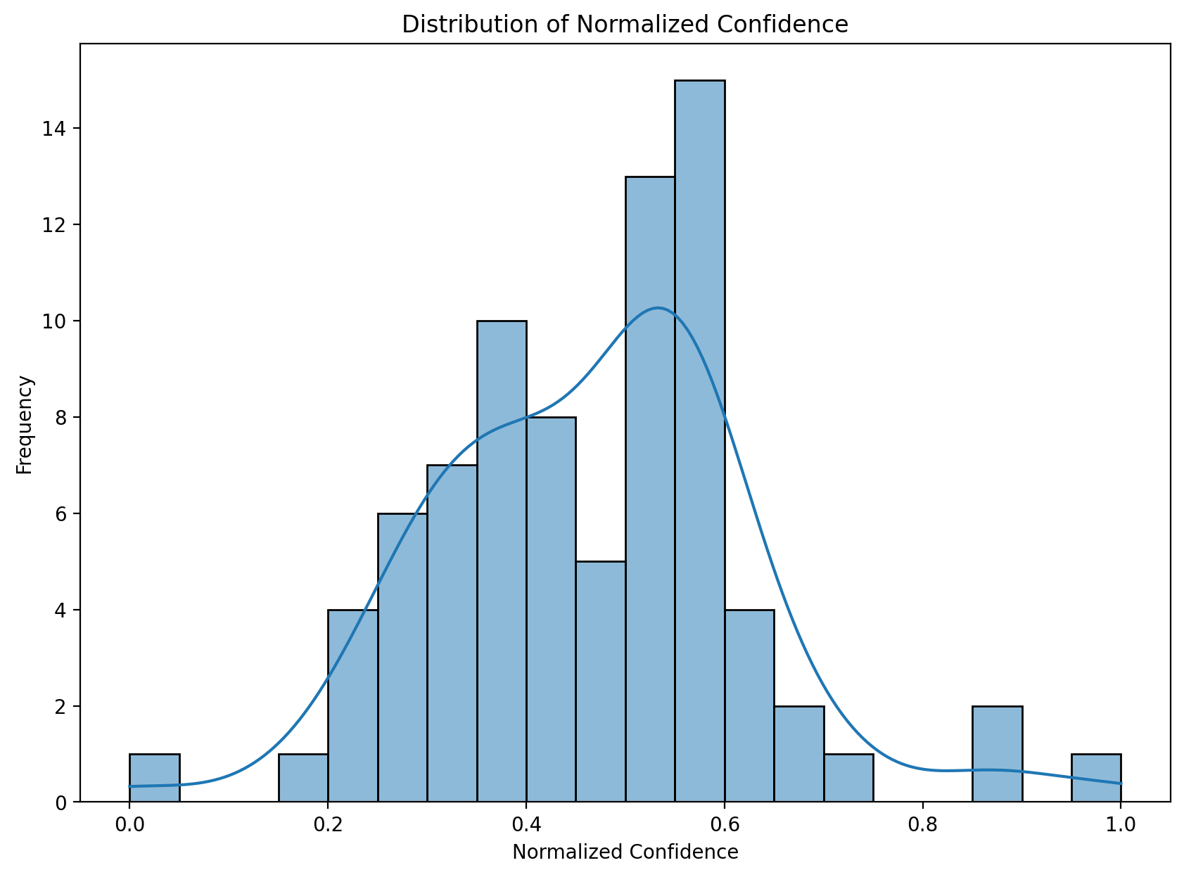
Confidence_Normalized
0.64881815089
0.24388174793
0.31229462426
0.50947608978
0.45130014311
0.56616160585
0.37430136421
0.28519506245
0.55941263176
0.49780221777
0.40963362518
0.39468969536
0.30902945123
0.55226548512
0.39659501205
0.55230867196
0.5761326168
0.87654441791
0.38521320163
0.42484666995
0.29137603671
0.33719660294
0.54225892764
0
0.69680098444
0.49554856318
0.62315305597
0.85945201456
0.54457087069
0.54543712666
0.24621058498
0.70250731837
0.15384544173
0.51457126343
0.50390603656
0.52957016965
0.51692719152
0.43071335113
0.54461703074
0.39742253776
0.4890594952
0.28273692558
0.5585079434
0.60239571064
0.36560511954
0.33403210391
0.58864849612
0.52956280147
0.35731842441
0.28701417252
0.43533136914
0.35899550602
0.4259749394
0.5631378719
0.36841971101
0.58889873475
0.509921368
0.22672698566
0.29790261643
0.58909895242
0.3717197658
0.43488612157
0.55940379227
0.57732847168
0.68396536614
0.52834718817
1
0.55466250769
0.44833785766
0.33151898635
0.62864962314
0.56667249977
0.49733101205
0.31218859762
0.20947474245
0.54555530052
0.43601135922
0.33312719865
0.57320140661
0.26818964932

Predicted_vs_Actual
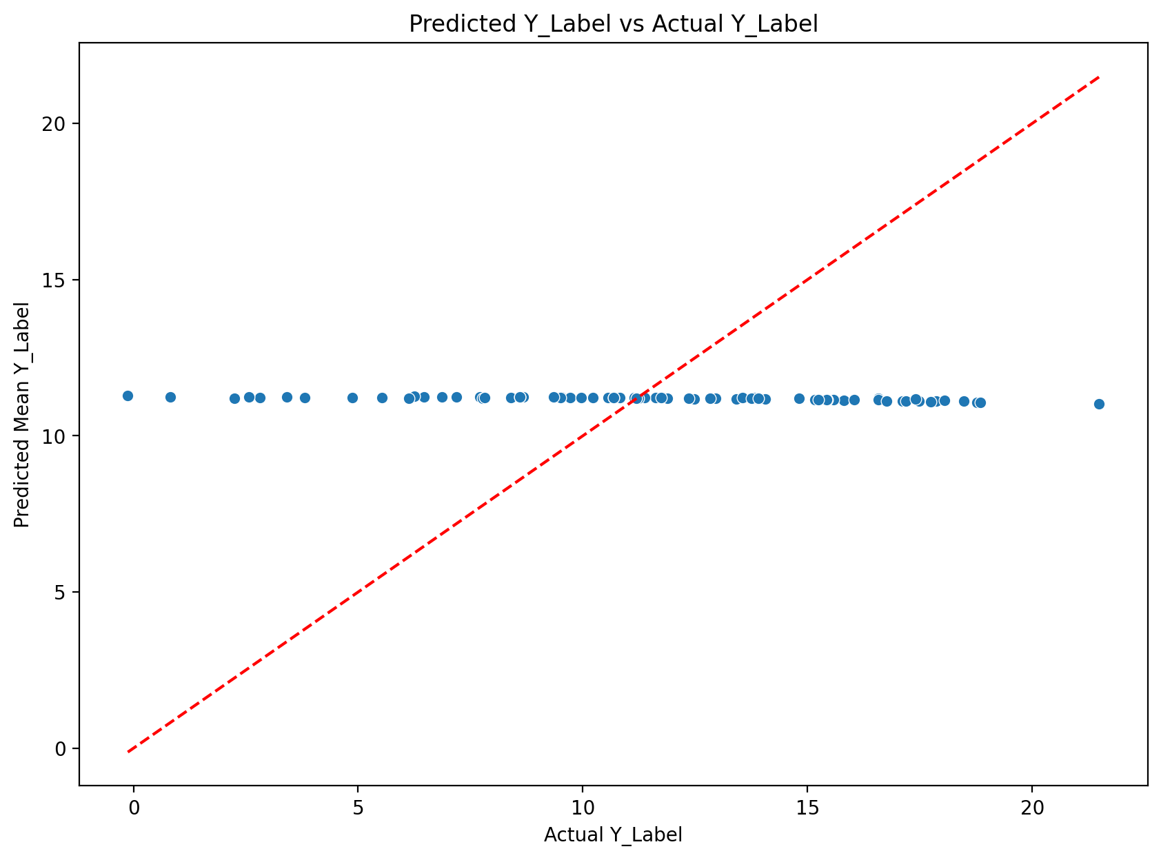
Actual | Mean
6.4662790298 | 11.245778281
21.491254807 | 11.030024178
15.812722206 | 11.130576523
11.809874535 | 11.215058916
11.882398605 | 11.194972128
7.1888656616 | 11.237259938
13.872582436 | 11.178865987
15.581529617 | 11.148693257
10.230658531 | 11.227297447
4.8653454781 | 11.227834308
10.821699142 | 11.219252531
13.414191246 | 11.183666655
17.118618011 | 11.118202355
2.8188617229 | 11.232541819
13.816046715 | 11.191683945
10.555586815 | 11.226021191
7.7063903809 | 11.236161329
6.2286396027 | 11.277153791
16.044996262 | 11.149336446
8.420633316 | 11.223895708
17.86595726 | 11.101871026
14.814984322 | 11.207101437
8.6688270569 | 11.236802247
18.043935776 | 11.139260227
13.559930801 | 11.231495707
11.146077156 | 11.22771505
11.648017883 | 11.227274639
6.2574043274 | 11.27327099
5.5318636894 | 11.227223355
7.7051339149 | 11.233428013
18.762367249 | 11.07480533
13.799794197 | 11.230912069
18.848560333 | 11.066653808
10.685245514 | 11.232573016
11.620040894 | 11.216150609
16.570760727 | 11.191664326
3.8142049313 | 11.218153991
12.956276894 | 11.199714147
10.689083099 | 11.218593899
2.2431704998 | 11.210402844
7.7637991905 | 11.208993533
15.437087059 | 11.145496515
11.208042145 | 11.220045811
2.5697231293 | 11.241681089
16.574495316 | 11.157583101
17.484493256 | 11.113537306
9.5205888748 | 11.233997422
11.369898796 | 11.215081637
14.073486328 | 11.183236123
17.73998642 | 11.089628057
12.483181 | 11.185843196
12.810771942 | 11.196769855
14.05410862 | 11.179487165
13.757350922 | 11.205858439
15.417190552 | 11.152552756
8.4055528641 | 11.229634426
9.7241067886 | 11.228815357
6.1351294518 | 11.194280394
18.484464645 | 11.117551974
3.4117758274 | 11.238763748
15.168905258 | 11.164867026
12.351873398 | 11.197209884
9.959980011 | 11.224225994
8.6035661697 | 11.237621819
6.8677654266 | 11.249550195
11.740920067 | 11.21428451
-0.12514653802 | 11.295896581
9.5062599182 | 11.228494742
11.233959198 | 11.211005928
17.192399979 | 11.107074027
8.6025762558 | 11.23938159
9.3493108749 | 11.235720311
7.8100819588 | 11.230684039
11.1941185 | 11.207582022
15.23839283 | 11.158082057
17.408187866 | 11.189073371
12.83184433 | 11.189452272
16.754770279 | 11.122414983
0.82211965322 | 11.235579008
13.898538589 | 11.197942764

