RMSE_Trials_Random Forest
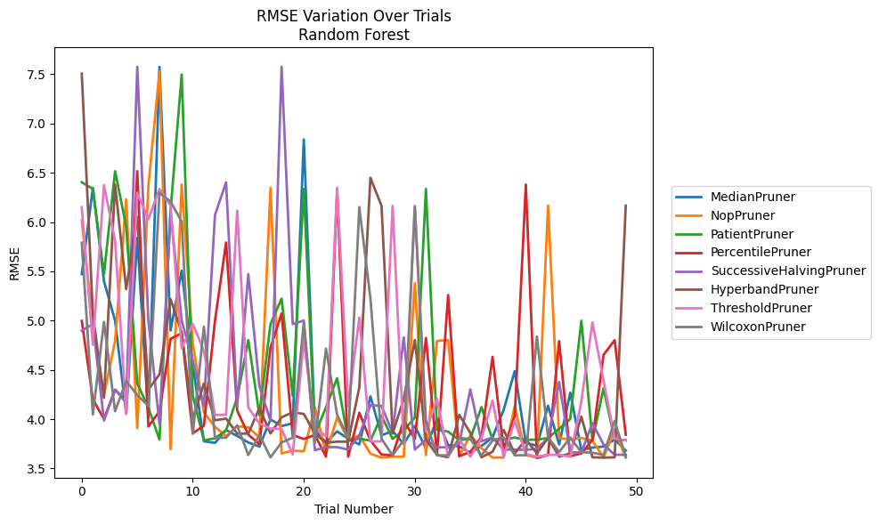
Trial | MedianPruner | NopPruner | PatientPruner | PercentilePruner | SuccessiveHalvingPruner | HyperbandPruner | ThresholdPruner | WilcoxonPruner
1 | 5.4724227817 | 6.0158725478 | 6.4034990631 | 4.9965527939 | 4.8989346191 | 7.5058614057 | 6.1505457567 | 5.7901585051
2 | 6.3465468431 | 4.9669296629 | 6.3357128866 | 4.2026181614 | 4.965079663 | 5.0639555492 | 4.7545492133 | 4.0477104977
3 | 5.4002439208 | 4.2399748948 | 5.4692369028 | 4.0014359564 | 3.985564159 | 4.2164503445 | 6.3748431629 | 4.9871863046
4 | 4.9999948548 | 4.7941249554 | 6.5161370756 | 4.2990095493 | 4.3009906616 | 6.3805117029 | 5.8114234094 | 4.0807785669
5 | 4.0586322207 | 6.2297759797 | 5.9562974635 | 4.1838753528 | 4.1662544685 | 5.3202342449 | 4.0530225597 | 4.3871131021
6 | 5.8388510898 | 3.9088348423 | 4.3615357059 | 6.5161370756 | 7.5744642375 | 6.0498972457 | 6.2969421539 | 4.2446634722
7 | 4.0158413839 | 6.3682560961 | 4.1173263404 | 3.9255598157 | 5.0020651111 | 4.3003455099 | 6.0278509314 | 4.1347254257
8 | 7.5742380573 | 7.5297183259 | 3.7929477337 | 4.0808358348 | 3.9504613025 | 4.4551121367 | 6.3357128866 | 6.2969421539
9 | 4.9003170926 | 3.6962275617 | 6.119508804 | 4.8148059288 | 6.0995702928 | 5.2169070757 | 6.166049289 | 6.2077897184
10 | 5.5069852034 | 6.3805117029 | 7.4971504512 | 4.8719545807 | 4.9986859952 | 4.8802284952 | 4.7190193208 | 6.004262878
11 | 4.5509521541 | 4.7682974534 | 4.2374980479 | 3.8563182989 | 4.59432663 | 4.0014302492 | 4.9653765609 | 3.85184429
12 | 3.7762811955 | 4.0686517586 | 3.785681802 | 3.9345246164 | 4.1317662963 | 4.3615357059 | 4.6940243299 | 4.9389567615
13 | 3.7601104982 | 3.9225466241 | 3.8059436838 | 4.9998117182 | 6.0717301664 | 3.9889372428 | 4.0414503652 | 3.8121182561
14 | 3.8897009402 | 3.826942483 | 3.889990079 | 5.7925670963 | 6.4034990631 | 4.0058598236 | 4.0462062188 | 3.8121187458
15 | 3.8297708607 | 3.9285393035 | 4.2174802036 | 4.0871226561 | 4.1334682202 | 3.8536273049 | 6.1160599328 | 3.9372522313
16 | 3.7635449619 | 3.9171427392 | 4.8028757903 | 3.8431952523 | 5.4713488938 | 3.8536273049 | 4.1178744396 | 3.6361309146
17 | 3.7220201225 | 3.8160472413 | 4.0405326278 | 3.7464088857 | 4.3366203296 | 4.1140443615 | 3.9563592144 | 3.8391646523
18 | 3.9983158498 | 6.3467925615 | 4.9648988201 | 4.7254165429 | 3.9813678087 | 3.8548632189 | 3.9061759089 | 3.6130818474
19 | 3.9306704844 | 3.6528387816 | 5.223122498 | 5.0724967637 | 7.5744840619 | 4.0190387594 | 3.9007259883 | 3.7638987867
20 | 3.9581994036 | 3.6806789975 | 4.2377304007 | 3.8398466401 | 4.965079663 | 4.0702093651 | 3.6417001986 | 3.8117391043
21 | 6.8380509033 | 3.6741606616 | 6.3357128866 | 3.798789303 | 5.0006618646 | 4.0533975263 | 4.801797305 | 4.9804303204
22 | 3.8871775855 | 4.1181052244 | 3.8471169351 | 3.8398466401 | 3.6858832065 | 3.8535920924 | 3.9061759089 | 3.7638211896
23 | 3.7642432248 | 3.6537767162 | 4.1209146068 | 3.6194789982 | 3.7163122005 | 3.7608934589 | 3.8295821276 | 4.7160325376
24 | 3.8763716469 | 4.015805397 | 4.416120383 | 6.3093063617 | 3.7163122005 | 3.7724142311 | 6.3467925615 | 4.0444915465
25 | 3.8013933308 | 3.7911800303 | 3.7825890336 | 3.6194789982 | 3.6919895475 | 3.7721497069 | 4.1326819255 | 3.8125375032
26 | 3.743602247 | 3.8349853771 | 3.8034258257 | 4.0652627645 | 3.8357381564 | 4.3234668663 | 5.032358163 | 6.1515614126
27 | 4.2316147454 | 3.6497757561 | 3.7814462013 | 3.7845856923 | 4.1414100356 | 6.4491323535 | 3.7752566193 | 5.2272952534
28 | 3.8369166633 | 3.6098587617 | 4.0350271719 | 3.6417001986 | 4.1353136514 | 6.1649393874 | 3.7752566193 | 3.8013334291
29 | 3.8798559054 | 3.6196963283 | 3.8000674833 | 3.6329066416 | 3.8602556749 | 3.8552909041 | 6.1639580826 | 3.6328625651
30 | 3.7490433941 | 3.6195504828 | 3.8856700587 | 3.9861695232 | 4.8299615063 | 4.2056481049 | 3.7623358301 | 3.789000659
31 | 3.9313995404 | 5.3808317643 | 4.0170626998 | 3.7996894077 | 3.6914596256 | 4.8028982413 | 6.166049289 | 6.1515614126
32 | 3.7024035511 | 3.6356641536 | 6.3358807773 | 4.8238946623 | 3.7916166375 | 3.7954767587 | 3.8778540496 | 3.9811739646
33 | 4.0037602018 | 4.7941247744 | 3.8927136624 | 3.6417001986 | 3.7143807884 | 3.6357635063 | 4.2074814637 | 3.6328625651
34 | 3.7382121682 | 4.8028982413 | 3.8738027306 | 5.2598913676 | 3.7143807884 | 3.6134812361 | 3.6191412431 | 3.6328555242
35 | 3.7241276403 | 3.6237909388 | 3.7876306885 | 3.6241499292 | 3.7525739482 | 4.0442118617 | 3.798789303 | 3.8089897811
36 | 3.6587539263 | 3.8381384522 | 3.8012314555 | 3.6693727706 | 4.3016703165 | 3.8616858777 | 3.6191412431 | 3.7997122335
37 | 3.7275050557 | 3.7074604679 | 4.1229078421 | 3.8189020241 | 3.7767326795 | 3.6134812361 | 3.8031873365 | 3.6328625651
38 | 3.8154956072 | 3.610556969 | 3.7954414905 | 4.6318168351 | 3.8139439421 | 3.6700950928 | 4.1892063494 | 3.7834313931
39 | 4.0940745582 | 3.610556969 | 3.7912008411 | 3.6953753118 | 3.6913972933 | 3.8919216809 | 3.6191412431 | 3.815790696
40 | 4.4876918444 | 4.1322707989 | 3.8137112685 | 4.0324883754 | 3.6913972933 | 3.6514522661 | 3.9862738064 | 3.6329079233
41 | 3.7579961128 | 3.6347008915 | 3.7910755379 | 6.3805117029 | 3.6892275958 | 3.7950788932 | 3.6453356435 | 3.6347008915
42 | 3.7306482912 | 3.6098587617 | 3.7924362717 | 3.6059057075 | 3.6996694845 | 3.6527988071 | 3.6194198352 | 4.8377423376
43 | 4.136489111 | 6.1667763023 | 3.8086068611 | 3.6369103256 | 3.8079636753 | 3.8102203977 | 3.6386960548 | 3.81617318
44 | 3.743218203 | 3.8095237185 | 3.9028220684 | 4.7917573874 | 4.3769693827 | 3.6196414483 | 3.6386960548 | 3.6673221592
45 | 4.2687560459 | 3.7926387599 | 4.0014302492 | 3.6241499292 | 3.6628761571 | 3.6538250524 | 3.6191412431 | 3.8126489177
46 | 3.6888475159 | 3.8095237185 | 4.9986859952 | 3.6528387816 | 3.6628761571 | 4.026476074 | 4.1810995349 | 3.6654969779
47 | 3.7119504829 | 3.7836668291 | 3.7852455873 | 3.7915083759 | 3.960036901 | 3.6132500644 | 4.9814954089 | 3.6597971295
48 | 3.7224298826 | 3.6098587617 | 4.3137315831 | 4.6525131112 | 3.7431801171 | 3.6100847838 | 4.3922017051 | 3.637523385
49 | 3.7950559883 | 3.8951943762 | 3.7884520588 | 4.801797305 | 3.6390583665 | 3.6132500644 | 3.8030567773 | 3.9829672339
50 | 3.6806317161 | 3.6098587617 | 3.7876306885 | 3.8421079411 | 3.6390583665 | 6.166049289 | 3.7833643986 | 3.6179888285

RMSE_Trials_Gradient Boosting
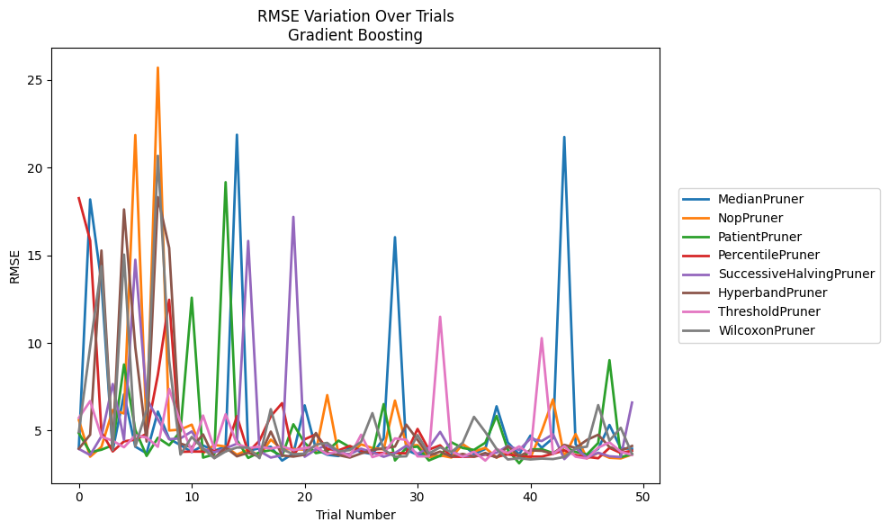
Trial | MedianPruner | NopPruner | PatientPruner | PercentilePruner | SuccessiveHalvingPruner | HyperbandPruner | ThresholdPruner | WilcoxonPruner
1 | 4.0363913998 | 5.6014570863 | 4.8529956041 | 18.256865114 | 3.9565644617 | 3.9718076794 | 5.7280444711 | 4.930816621
2 | 18.184317307 | 3.5138244841 | 3.7653706424 | 15.840344517 | 3.6071114966 | 4.7676482264 | 6.6882340452 | 9.7801121002
3 | 13.449415332 | 4.0703562382 | 3.9105166167 | 4.916925729 | 4.6775474953 | 15.272645248 | 4.6560474317 | 14.38754895
4 | 3.8779099024 | 6.175928601 | 4.1677411999 | 3.8129298634 | 7.6579600917 | 4.0664803494 | 4.4251398795 | 3.8941694071
5 | 7.0671653399 | 5.9787630665 | 8.7719070458 | 4.3872056492 | 4.474397999 | 17.616091061 | 4.0531856407 | 15.04005194
6 | 4.0871151542 | 21.858496005 | 5.0409664671 | 4.4860401917 | 14.745623051 | 9.7424689417 | 4.7356053578 | 4.0906740167
7 | 3.7082367458 | 4.9482396946 | 3.5561777583 | 4.8206428809 | 6.8431099847 | 4.3786369959 | 4.6053046225 | 6.1730543397
8 | 6.0864004896 | 25.705334844 | 4.591079793 | 8.1896842641 | 5.6428458234 | 18.31563057 | 4.0784471134 | 20.679305311
9 | 4.5345543575 | 5.0094106546 | 4.1616880912 | 12.464489803 | 4.5086077705 | 15.423380562 | 7.3800895185 | 9.0010773571
10 | 4.172778243 | 5.0562395258 | 4.964276429 | 3.790192281 | 4.5587715678 | 4.2678576573 | 5.4483030942 | 3.6344129284
11 | 3.7799248336 | 5.3419228298 | 12.581078814 | 3.8057010466 | 4.9538794047 | 4.0425202401 | 3.7996894023 | 4.6396379761
12 | 4.1531467419 | 3.7036932649 | 3.4613235098 | 3.8031098922 | 3.9519475571 | 4.7836877094 | 5.8598756908 | 3.9735924357
13 | 3.8526749348 | 4.1869208777 | 3.6505596735 | 3.8761930266 | 3.760170412 | 3.4337717697 | 3.961925417 | 3.4287354296
14 | 4.0955249666 | 4.0903099916 | 19.169574047 | 3.8096678025 | 3.990716676 | 4.042432131 | 5.9343317348 | 3.814308361
15 | 21.876875768 | 3.6293891905 | 4.4638786351 | 5.8235321725 | 4.2521266392 | 3.5332185605 | 4.2471070125 | 4.0371675907
16 | 3.8553922118 | 3.9191748363 | 3.4427736429 | 3.7655584686 | 15.816724995 | 3.7398046949 | 4.0037299205 | 4.0245169639
17 | 3.9912456227 | 3.5625625561 | 3.767860735 | 4.429580268 | 3.8328917491 | 3.5163117596 | 4.082664221 | 3.4287354296
18 | 4.0812409748 | 4.4864888986 | 3.8879916994 | 5.8178562582 | 3.4633763132 | 4.9466691922 | 3.9762638831 | 6.2234444817
19 | 3.2907908052 | 3.9274065174 | 3.5525556137 | 6.5678585168 | 3.5993421682 | 3.5807801493 | 4.1008846729 | 3.9371353062
20 | 3.6957393653 | 3.9528757543 | 5.3629182592 | 3.5862095326 | 17.190822401 | 3.5192567083 | 3.8855535648 | 3.6562192146
21 | 6.4410078164 | 3.9107026176 | 4.2994783907 | 4.5043810308 | 3.5094412451 | 3.6266958357 | 4.0101419179 | 3.6838732363
22 | 3.943297382 | 3.8214060841 | 3.7160460895 | 4.791245904 | 3.9220550114 | 4.8670802723 | 4.0581926195 | 4.2032492101
23 | 3.623691981 | 7.0250096157 | 3.8459585162 | 3.9569560238 | 4.1761810021 | 3.7405674562 | 3.656031068 | 4.3020010427
24 | 3.5497634126 | 3.656046358 | 4.4300026424 | 3.873009073 | 3.7252566813 | 3.6011079874 | 3.8491665239 | 3.8088679997
25 | 4.0490472135 | 3.6624074598 | 4.0574169172 | 4.1255702401 | 3.6518041603 | 3.4643175807 | 3.5366382546 | 3.8915572595
26 | 3.7760613862 | 4.2153810107 | 3.9097050568 | 3.8461142744 | 3.9703809241 | 3.6991583338 | 4.7666765945 | 4.362339249
27 | 3.6665068771 | 4.0074928893 | 3.6767877783 | 3.7190776468 | 3.7652178556 | 3.8941694071 | 3.488639347 | 5.9976880669
28 | 4.5506831018 | 3.9288863884 | 6.5131619006 | 3.7275870592 | 3.5077282997 | 3.9880974044 | 3.6913096604 | 3.9148268803
29 | 16.031236662 | 6.7134994402 | 3.2993195204 | 3.7190776468 | 3.7216857751 | 4.0889793567 | 4.5572382369 | 3.5094581297
30 | 3.9000480567 | 4.1675441137 | 4.0094571215 | 3.7079358622 | 4.1338647252 | 5.3419228298 | 4.4763369193 | 3.5369631552
31 | 3.623386328 | 4.1707905778 | 4.0902188954 | 5.0976374821 | 3.671157818 | 4.4753076807 | 3.5304659115 | 4.7467226199
32 | 3.68656254 | 3.4786253696 | 3.2993195204 | 3.9166538008 | 4.0295976819 | 3.5772267469 | 3.5304659115 | 3.6987339886
33 | 3.543068487 | 3.5906735815 | 3.5634495516 | 4.1601252924 | 4.9300293549 | 3.8026229947 | 11.494100741 | 4.0486800536
34 | 3.643022336 | 3.466113243 | 4.3330928401 | 3.5119354134 | 3.8232387254 | 3.5162746392 | 3.8090758442 | 3.7784655222
35 | 4.2194312107 | 4.2251223074 | 4.0086229554 | 3.5055405194 | 3.5338577565 | 3.6719445261 | 3.5140102237 | 4.3063877315
36 | 3.6592706619 | 3.8078406727 | 3.9008383137 | 3.5183013766 | 3.5589180838 | 3.5163117596 | 3.7956902872 | 5.784245659
37 | 3.9531904221 | 4.0171366381 | 4.3095720222 | 3.6331723283 | 3.641148477 | 3.7245440622 | 3.2903953413 | 4.9229960506
38 | 6.3875167142 | 3.466113243 | 5.8389881527 | 3.5055405194 | 3.7401382114 | 3.4643175807 | 3.9509073745 | 3.9504715911
39 | 4.3180439019 | 3.7838684749 | 3.9040050657 | 3.6445245405 | 4.1318428871 | 4.1066831702 | 3.7153078913 | 3.3558442613
40 | 3.6425574673 | 3.5909848349 | 3.1381592021 | 3.5507966637 | 3.8962949188 | 3.5328635471 | 4.1017593656 | 3.4262129324
41 | 4.7158968916 | 3.4602597833 | 3.9231993987 | 3.5189257792 | 4.5422584969 | 3.8727883134 | 3.6470348706 | 3.3558442613
42 | 4.022194633 | 4.9721564398 | 3.9410800309 | 3.5189257792 | 4.405110155 | 3.846947394 | 10.275861581 | 3.4056889392
43 | 4.5713812565 | 6.779839134 | 3.7216125158 | 3.6807011289 | 4.7937992109 | 3.681850371 | 3.6713161359 | 3.3779781878
44 | 21.748690287 | 3.5058028118 | 4.0738092775 | 3.8785972023 | 3.3767296126 | 4.1875508032 | 4.1125006009 | 3.4980807203
45 | 4.217716002 | 4.8035729989 | 3.7851898526 | 3.6076617249 | 4.0035517149 | 4.0094921284 | 3.5136655741 | 3.9917711269
46 | 3.543068487 | 3.41491204 | 3.637332129 | 3.5055405194 | 3.4633763132 | 4.4683981372 | 3.411029868 | 4.0851896263
47 | 3.9628000261 | 3.72744752 | 4.29518137 | 3.4246301408 | 3.7365715092 | 4.7642399143 | 4.0251085269 | 6.4548454185
48 | 5.3236134799 | 3.4517088297 | 9.0183628732 | 4.0180152292 | 3.5369148851 | 4.0670809775 | 4.33550919 | 4.429580268
49 | 3.9867205962 | 3.41491204 | 3.492003437 | 3.726340799 | 3.4904221164 | 3.8555480694 | 3.7967718576 | 5.1618559586
50 | 3.9637780169 | 3.6411030195 | 3.6465013744 | 3.8546291103 | 6.599981161 | 4.126232853 | 3.61296833 | 3.6720124294

RMSE_Trials_XGBoost
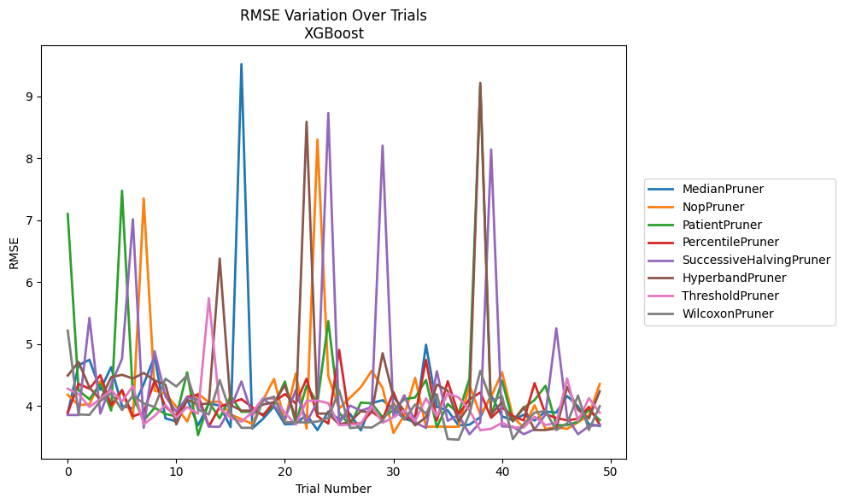
Trial | MedianPruner | NopPruner | PatientPruner | PercentilePruner | SuccessiveHalvingPruner | HyperbandPruner | ThresholdPruner | WilcoxonPruner
1 | 3.8786503756 | 4.1773493464 | 7.1000050763 | 3.8871758111 | 3.8509159446 | 4.4882169519 | 4.2758347748 | 5.2157026686
2 | 4.6568877751 | 4.0099731508 | 4.2493112277 | 4.3531372812 | 3.8498993823 | 4.7078989913 | 4.1891473417 | 3.8593333523
3 | 4.7429422564 | 4.0258875519 | 4.1046236582 | 4.2762526254 | 5.4208264337 | 4.2945627165 | 3.9806700176 | 3.8533454587
4 | 4.2571743897 | 4.3975773626 | 4.3544245682 | 4.4947461414 | 3.8750629836 | 4.0979124855 | 4.1103997465 | 4.076434027
5 | 4.6253486763 | 3.9604986114 | 3.923010764 | 4.0074013586 | 4.3434314732 | 4.4612844817 | 4.2498952152 | 4.2006736759
6 | 3.9955533108 | 4.2406728462 | 7.476209199 | 4.256149341 | 4.7590492073 | 4.5009640222 | 4.0695823987 | 3.9317468283
7 | 3.9581012652 | 3.7879425844 | 4.1561302664 | 3.8288111154 | 7.0159217697 | 4.4407089494 | 4.3182472372 | 4.1628563364
8 | 4.3502887356 | 7.3518231538 | 3.7620475245 | 3.8944985468 | 3.643189712 | 4.5308452543 | 3.7011626523 | 4.0390007728
9 | 4.7991825038 | 4.2445245333 | 3.967648785 | 4.4048110424 | 4.8817937917 | 4.4096641788 | 3.8356971859 | 3.9797464094
10 | 3.7968189686 | 4.1949712841 | 3.868413321 | 3.985652534 | 4.1504517911 | 4.3379062606 | 4.0133328955 | 4.4374669648
11 | 3.7463499353 | 3.9840644204 | 3.8281708979 | 3.8328874853 | 3.9031743994 | 3.6984335089 | 3.8109264923 | 4.3119720799
12 | 4.1090426232 | 3.7451409156 | 4.5402378767 | 4.1441921266 | 4.1412346967 | 4.0979124855 | 3.9782093255 | 4.4911568741
13 | 3.6798660226 | 4.1947848129 | 3.5246543013 | 4.1805444192 | 4.0955439996 | 4.0234242092 | 3.8726063451 | 3.9384676538
14 | 4.0379332055 | 4.0567186972 | 4.0604129637 | 3.6666068952 | 3.6624545895 | 4.0369415884 | 5.7386804416 | 3.8595140101
15 | 4.0030582276 | 4.0716534893 | 3.7973144541 | 3.9840616541 | 3.6612549962 | 6.3792732179 | 3.9629697978 | 4.4139915632
16 | 3.6559675181 | 3.8598180592 | 4.1565277914 | 4.0478508586 | 3.9614968534 | 4.0120284805 | 3.8060836939 | 3.8844921423
17 | 9.522618655 | 3.7834032217 | 3.9025145071 | 4.1071409507 | 4.3926363117 | 3.9216967184 | 3.743300543 | 3.6429847166
18 | 3.6326057829 | 3.7070284562 | 3.9036807918 | 3.9745756021 | 3.8511783809 | 3.9216967184 | 3.892998717 | 3.6431248074
19 | 3.7915245852 | 4.0959474931 | 3.8621079158 | 3.8386469743 | 4.1021407562 | 4.0202293663 | 4.1257303537 | 4.0932506101
20 | 3.9900169078 | 4.4335804986 | 4.0086811619 | 4.0679586192 | 4.0004740817 | 4.0560536424 | 4.1123996268 | 4.1466381236
21 | 3.7015151731 | 3.7460631358 | 4.391856618 | 4.1883506227 | 3.7886933334 | 4.3330343102 | 3.8886242233 | 3.7336771571
22 | 3.7083552385 | 4.5182713462 | 3.7185273946 | 4.0372551086 | 4.2524593203 | 3.7902441742 | 3.6952144299 | 3.7336771571
23 | 3.8550676904 | 3.6313002102 | 4.326204745 | 4.4371692593 | 3.7330923929 | 8.5922974755 | 4.079213109 | 3.7304436555
24 | 3.6069734817 | 8.3038990763 | 4.0537220696 | 3.8329499626 | 4.0666678474 | 3.8737524858 | 4.0842320513 | 3.7452771058
25 | 3.9071849091 | 4.4777812213 | 5.3685269121 | 3.7122927708 | 8.7332311758 | 3.8737524858 | 4.0405196311 | 3.8034069736
26 | 3.7803197122 | 3.9554454986 | 3.8874270363 | 4.9023853157 | 3.7187684566 | 3.6992678042 | 3.686395823 | 4.2525487038
27 | 3.8719216738 | 4.1300949977 | 3.6792392699 | 3.7122927708 | 4.0035862624 | 3.7378071485 | 3.695630447 | 3.6388879321
28 | 3.6015732313 | 4.3016155393 | 4.0518179394 | 3.7122927708 | 3.9203572872 | 3.9127427922 | 3.7048805667 | 3.6557437011
29 | 4.0431112268 | 4.5643249452 | 4.0404287539 | 3.9056963931 | 3.9800566846 | 3.8891002607 | 3.9994362904 | 3.6473747249
30 | 4.0901308537 | 4.2890817658 | 3.8136450924 | 3.7799958542 | 8.2047998204 | 4.8490807516 | 3.7243040179 | 3.7572920667
31 | 3.9427887729 | 3.5604987751 | 3.9285254112 | 4.2217564479 | 3.8266453416 | 4.1464338853 | 3.8117134634 | 4.0420890429
32 | 3.7906134263 | 3.8487212713 | 4.1064771315 | 3.7806391657 | 4.169728707 | 3.9185796025 | 3.9253382104 | 3.7759798749
33 | 3.737194497 | 4.4501796195 | 4.1347652497 | 3.8345362794 | 3.7286299863 | 3.6832480716 | 3.7551049869 | 4.0210659486
34 | 4.9859222816 | 3.6605589414 | 4.4170436524 | 4.7423893904 | 3.6425416507 | 3.8134156331 | 4.1197589412 | 3.8732972969
35 | 3.9820239461 | 3.6635898696 | 3.6521584694 | 3.7629490158 | 4.5580775671 | 4.3442445996 | 3.8338005755 | 4.1875358218
36 | 3.925599265 | 3.6605589414 | 4.0294360622 | 4.3956517596 | 3.7568176052 | 4.2425576487 | 4.2003665784 | 3.4622199565
37 | 3.682340832 | 3.6605589414 | 3.8778246079 | 3.8583683091 | 3.8497786419 | 3.7479053195 | 4.1347729639 | 3.4513371799
38 | 3.6940609323 | 4.3360010193 | 4.4384904645 | 4.1057565978 | 3.5404541638 | 4.0096518826 | 3.9286059334 | 3.8725046862
39 | 3.8161064518 | 3.8561119997 | 9.1806220871 | 4.2144222393 | 3.7310188563 | 9.2199597833 | 3.6049451115 | 4.5638801344
40 | 4.1678953774 | 4.1437085621 | 3.8328260216 | 3.8058725373 | 8.1432805336 | 3.8627167332 | 3.6279751855 | 4.0726714069
41 | 3.8284738389 | 4.5427274174 | 4.4062219265 | 3.9713512936 | 3.666135282 | 4.0563206983 | 3.7245680166 | 4.1557486913
42 | 3.7651811171 | 3.8222158501 | 3.7518950802 | 3.8355525332 | 3.6624545895 | 3.7479053195 | 3.6491429268 | 3.4622199565
43 | 3.8557807053 | 3.6484784767 | 3.963625335 | 3.7629490158 | 3.5404541638 | 3.9794688283 | 3.6491429268 | 3.7046962727
44 | 3.7603096182 | 4.0081101556 | 4.0927642813 | 4.3664510506 | 3.6193678409 | 3.6080823996 | 3.8231983124 | 3.8891870925
45 | 3.9058622389 | 3.6266170419 | 4.3226240106 | 3.8659440613 | 3.8560029598 | 3.6080823996 | 3.6891387869 | 3.9134778459
46 | 3.8901503959 | 3.6519064196 | 3.6865082113 | 3.8019245428 | 5.2513644989 | 3.6345782934 | 3.7219900417 | 3.6072043499
47 | 4.1576618472 | 3.6266170419 | 3.6865082113 | 3.7661596763 | 3.8105497867 | 4.3044870025 | 4.4405704104 | 3.7170851693
48 | 3.9907029462 | 3.7338974695 | 3.7416780363 | 3.7882106018 | 3.5404541638 | 3.9371396233 | 3.7495167692 | 4.1655579872
49 | 3.7028745862 | 3.8452728513 | 3.9387451935 | 3.9816683583 | 3.6690925467 | 3.7939061995 | 4.1233159051 | 3.6072043499
50 | 3.6732131159 | 4.3528642482 | 3.7691006134 | 3.6944891005 | 3.6909784663 | 4.2340040085 | 3.88733834 | 3.993295694

RMSE_Trials_LightGBM
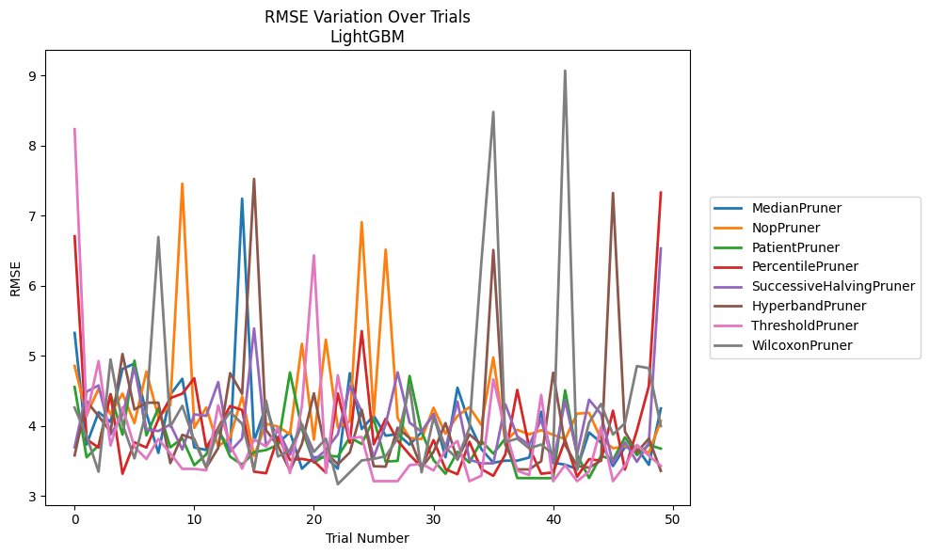
Trial | MedianPruner | NopPruner | PatientPruner | PercentilePruner | SuccessiveHalvingPruner | HyperbandPruner | ThresholdPruner | WilcoxonPruner
1 | 5.3274420649 | 4.8569314811 | 4.5562020396 | 6.7074712077 | 3.6948383904 | 3.5795042372 | 8.2357920952 | 4.2617107948
2 | 3.7338241929 | 4.1548630739 | 3.5521262932 | 3.8095565074 | 4.489225655 | 4.3529300832 | 4.1373559552 | 3.8555083383
3 | 4.1958654012 | 4.5283639074 | 3.7220640244 | 3.69144108 | 4.5786557293 | 4.1415775419 | 4.9263797239 | 3.3468560514
4 | 4.0580936031 | 4.1665186586 | 4.454456135 | 4.4496739943 | 3.8732397623 | 3.9154520951 | 3.7207108929 | 4.9491600337
5 | 4.8134654046 | 4.4617132945 | 3.8756623905 | 3.3176910499 | 4.1560089432 | 5.0274837197 | 4.2675229929 | 4.0276148636
6 | 4.8907251566 | 4.0405463748 | 4.9328933195 | 3.7664922863 | 4.8333428816 | 4.2343921867 | 3.7002230965 | 3.5373419959
7 | 4.1772630102 | 4.7766115289 | 3.8649591009 | 3.6910074437 | 3.9494377551 | 4.3321017038 | 3.5283185664 | 4.2127921977
8 | 3.6151077423 | 4.1241941279 | 4.2534754342 | 4.0931108854 | 3.9272818675 | 4.3316884808 | 3.8134511696 | 6.6980055549
9 | 4.446446963 | 4.2965765911 | 3.6945469006 | 4.3978205477 | 4.0222434703 | 3.4689628651 | 3.6075931256 | 3.9914876683
10 | 4.6734131226 | 7.4591316632 | 3.8234906032 | 4.460987489 | 3.6636390714 | 3.8728408023 | 3.3869847214 | 4.2867567701
11 | 3.6929872909 | 3.9717580835 | 3.4389958714 | 4.6816755148 | 4.1651086989 | 3.8121354008 | 3.3869847214 | 3.7910413803
12 | 3.6567152017 | 4.2629707207 | 3.5935300807 | 3.6910074437 | 4.14399406 | 3.4047215285 | 3.3674440858 | 3.4065137446
13 | 3.9348786525 | 3.7094197899 | 3.9630744875 | 3.9735074554 | 4.626224929 | 3.6844811694 | 4.2928604006 | 3.957792244
14 | 3.6567152017 | 3.8385670561 | 3.5614784071 | 4.2835948284 | 3.6315000987 | 4.7531694184 | 3.7232640645 | 4.1978147216
15 | 7.2447147389 | 4.4215720951 | 3.4475490213 | 4.2282647385 | 3.8213955804 | 4.4580932614 | 3.3899316951 | 4.0310466722
16 | 3.7859076295 | 3.5728513201 | 3.6265192975 | 3.3474264319 | 5.3914275097 | 7.5265253195 | 3.8104230636 | 3.3760382257
17 | 4.2822132682 | 4.0313013203 | 3.656054917 | 3.3248370511 | 3.7180386823 | 3.9403628007 | 3.704360497 | 4.3612121601
18 | 3.7519249657 | 3.9909062131 | 3.7311491433 | 3.8421628636 | 3.9394794645 | 3.7142817147 | 3.9792872501 | 3.5632987619
19 | 3.9118183767 | 3.8816620593 | 4.7626722542 | 3.5151692188 | 3.5892614187 | 3.3603929041 | 3.3273282352 | 3.6552134313
20 | 3.3900207312 | 5.17300841 | 3.9557385121 | 3.5298597397 | 4.0220503303 | 3.7441607142 | 4.2883792373 | 4.0226824151
21 | 3.5522281546 | 3.8039579778 | 3.4773475004 | 3.496980114 | 3.5090194659 | 4.4651210691 | 6.436070457 | 3.6298176906
22 | 3.5522281546 | 5.2318021657 | 3.5803798731 | 3.3339747212 | 3.6539080462 | 3.6250456377 | 3.3273282352 | 3.8181403739
23 | 3.3900207312 | 3.9783334111 | 3.5616975314 | 4.4630235631 | 3.8799528285 | 3.4511570411 | 4.7241856896 | 3.168240306
24 | 4.7531296228 | 4.0658764294 | 3.8340745603 | 3.7594080691 | 4.5738467639 | 3.6210669447 | 3.8228284282 | 3.3378601054
25 | 3.9568741372 | 6.9092860205 | 3.7433526567 | 5.3535198781 | 4.2024081107 | 4.2286371961 | 3.843477907 | 3.5077442296
26 | 4.1481264926 | 4.1407460884 | 4.0980450091 | 3.7370686999 | 3.5531062661 | 3.4247991086 | 3.2111944107 | 3.5300815629
27 | 3.8605607802 | 6.5164776427 | 3.4915528308 | 4.1035249369 | 4.0229555635 | 3.4193364013 | 3.2119581337 | 3.5671640731
28 | 3.8841504711 | 4.1155242181 | 3.5014138336 | 3.7913549625 | 4.765462523 | 3.9746277514 | 3.2119581337 | 3.8243840041
29 | 3.7321339382 | 3.8270590418 | 4.7145657859 | 3.5889643693 | 4.0472850322 | 3.827872496 | 3.439413472 | 4.572850258
30 | 3.9117520614 | 3.8127760873 | 3.9180100543 | 3.4122093385 | 3.9160759739 | 3.4047215285 | 3.4621943176 | 3.3378601054
31 | 4.1738862729 | 4.2602783841 | 3.5126247417 | 3.7984386946 | 4.1697746532 | 3.6285137239 | 3.3646516582 | 4.1147654249
32 | 3.5522281546 | 3.8883444122 | 3.3174016329 | 3.3827704754 | 3.685485457 | 4.0415046629 | 3.6507077109 | 3.6924888676
33 | 4.5454297806 | 4.1426290162 | 3.6313861326 | 3.3110693455 | 4.3475205927 | 3.5184158695 | 3.7849098594 | 3.531652307
34 | 4.0317574717 | 4.2681008781 | 3.4773475004 | 3.7735940396 | 3.5178922966 | 3.8797361601 | 3.2111944107 | 3.9713564151
35 | 3.6680878118 | 4.0139788027 | 3.7867744743 | 3.3839607848 | 3.4659490499 | 3.7346245923 | 3.2895121841 | 6.3402493782
36 | 3.4753502662 | 4.9765557833 | 3.6056177743 | 3.2878701764 | 3.4659490499 | 6.5118372651 | 4.6648057998 | 8.4825451693
37 | 3.5042101175 | 3.7770305205 | 3.8208360827 | 3.5916512634 | 4.3090702715 | 3.7344933456 | 3.9472549664 | 3.7678843767
38 | 3.5042101175 | 3.9455146102 | 3.2562657124 | 4.5139923287 | 3.8500692102 | 3.3793980716 | 3.3604785922 | 3.8193725568
39 | 3.5493952583 | 3.8792379561 | 3.2548082394 | 3.6932855118 | 3.7318705096 | 3.3793980716 | 3.2984091828 | 3.6795740476
40 | 4.2034508065 | 3.9392942677 | 3.2548082394 | 3.3176910499 | 4.0898623105 | 3.4963249197 | 4.4428032144 | 3.7345523092
41 | 3.4753417988 | 3.8737864853 | 3.2548082394 | 3.3362897294 | 3.4660407378 | 4.759651675 | 3.2108563238 | 3.5965517398
42 | 3.4469696614 | 3.8127760873 | 4.5086089141 | 3.798221711 | 4.3652271443 | 3.7298528307 | 3.4409682192 | 9.0720288368
43 | 3.3860211937 | 4.1763857556 | 3.5871882553 | 3.2751629247 | 3.5940690992 | 3.4283314914 | 3.2108563238 | 3.3707779108
44 | 3.906207602 | 4.186750906 | 3.2562657124 | 3.5258206487 | 4.3754381369 | 3.4047215285 | 3.3469803776 | 4.047095106
45 | 3.7639857235 | 3.815876816 | 3.5732021209 | 3.5043107375 | 4.170855835 | 3.5053113488 | 3.9837573986 | 4.3149626254
46 | 3.4278519463 | 3.6810460009 | 3.5140201628 | 4.2176486413 | 3.4659490499 | 7.3253155286 | 3.2111944107 | 3.8778376428
47 | 3.6963262947 | 3.7070422706 | 3.8378749869 | 3.3773295167 | 3.7661593332 | 3.9199466571 | 3.4351927806 | 4.0401866647
48 | 3.6885010934 | 3.7003439907 | 3.5841960568 | 3.935230842 | 3.4880633462 | 3.6235078278 | 3.7302281785 | 4.8551129381
49 | 3.4443552983 | 3.6154713864 | 3.7294147596 | 4.5694428735 | 3.7589152328 | 3.8190061179 | 3.575415038 | 4.8241088052
50 | 4.248295753 | 4.0709826819 | 3.6755839568 | 7.3309263922 | 6.533051456 | 3.3583557099 | 3.4304468896 | 3.9985309169

RMSE_Trials_GPBoost
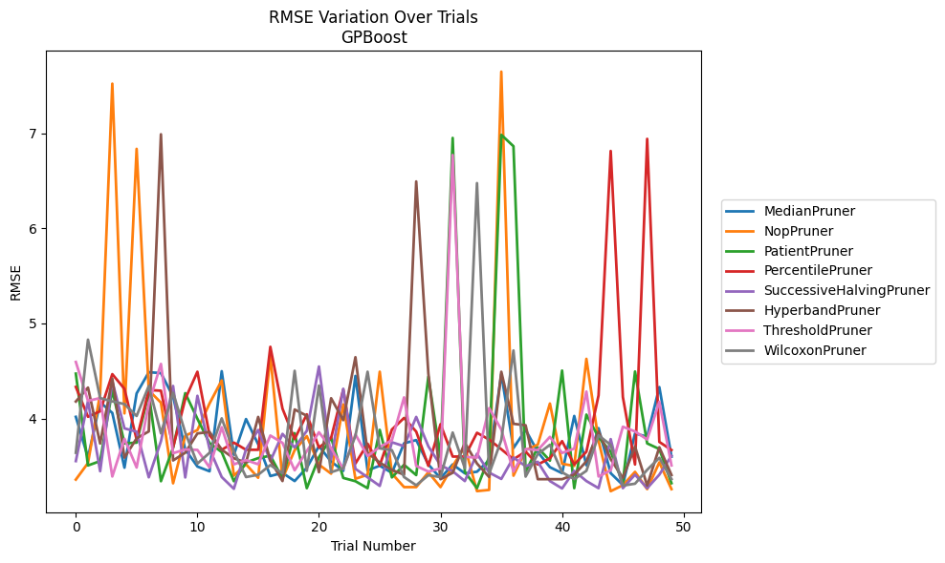
Trial | MedianPruner | NopPruner | PatientPruner | PercentilePruner | SuccessiveHalvingPruner | HyperbandPruner | ThresholdPruner | WilcoxonPruner
1 | 4.0186803819 | 3.3589974857 | 4.4726876695 | 4.3331847083 | 3.5533315888 | 4.1796674367 | 4.5953680738 | 3.6409323165
2 | 3.5906618343 | 3.5332616301 | 3.5073904043 | 4.0191317612 | 4.184993041 | 4.326163795 | 4.1871772267 | 4.8298721097
3 | 4.1728903534 | 4.2621264464 | 3.5535259616 | 4.0775665922 | 3.4470655012 | 3.7382587786 | 4.2157393077 | 4.2162884748
4 | 4.0598236456 | 7.5210124094 | 4.298682347 | 4.4673909904 | 4.3923781319 | 4.4197122558 | 3.3917104324 | 4.1808586255
5 | 3.484180264 | 4.0547171801 | 3.739191029 | 4.3127883475 | 3.8974217823 | 3.5896472411 | 3.7877253079 | 4.1527446632
6 | 4.2646492315 | 6.8356650434 | 3.7476162138 | 3.7800447668 | 3.8625556427 | 3.7930734287 | 3.4856287449 | 4.0277018118
7 | 4.4874649883 | 4.2976266075 | 4.2643845015 | 4.3008323577 | 3.3831904663 | 3.8652596038 | 4.159237626 | 4.3431576199
8 | 4.4787062082 | 4.1678427506 | 3.3419006122 | 4.293301579 | 3.7625450131 | 6.9887494282 | 4.5749169104 | 3.8452350546
9 | 4.2320471267 | 3.3199653187 | 3.6937638343 | 3.6972183216 | 4.3429825223 | 3.5600871592 | 3.6360849885 | 4.2719438433
10 | 3.6772991391 | 3.8199966204 | 4.2673959472 | 4.2058299624 | 3.3816151066 | 3.641364704 | 3.676239978 | 3.8526988052
11 | 3.4962278435 | 3.8792279114 | 3.9982081116 | 4.492650861 | 4.2396633721 | 3.8440849004 | 3.6709993802 | 3.5264138035
12 | 3.4460841624 | 4.1594969657 | 3.7427304137 | 3.8248927209 | 3.6814361883 | 3.8596116193 | 3.4856287449 | 3.6409323165
13 | 4.498405534 | 4.4011521926 | 3.6480741246 | 3.672437447 | 3.3857021685 | 3.6729623044 | 3.9090838245 | 4.0028379003
14 | 3.6199528078 | 3.4005244325 | 3.3419006122 | 3.7476162138 | 3.2617341604 | 3.5829628136 | 3.5191665751 | 3.6545845299
15 | 3.9955227401 | 3.5195352908 | 3.53929612 | 3.672437447 | 3.6772991391 | 3.5377081475 | 3.5635439103 | 3.3857436366
16 | 3.7302789366 | 3.3779337108 | 3.5844372857 | 3.672437447 | 3.8805721254 | 4.0175097479 | 3.5204410667 | 3.409837339
17 | 3.3961090788 | 4.6588420104 | 3.6103393611 | 4.7547459353 | 3.5535943074 | 3.561349922 | 3.8221179538 | 3.5114741678
18 | 3.4298409917 | 3.3678910873 | 3.3714755213 | 4.1047407475 | 3.8392159823 | 3.3433887177 | 3.745021439 | 3.4245633817
19 | 3.3435956052 | 3.6688702819 | 3.8467520662 | 3.7851767488 | 3.696325229 | 4.0957279537 | 3.4567255166 | 4.5023490349
20 | 3.4835023682 | 3.815975586 | 3.2687491902 | 4.0450789359 | 3.8714375324 | 4.0296429012 | 3.6586730209 | 3.4509238383
21 | 3.7102771168 | 3.5164969555 | 3.5939799649 | 3.6951793112 | 4.5480453163 | 3.4364293569 | 3.8566864919 | 4.3471117827
22 | 3.5487858334 | 3.4214129005 | 3.8008769479 | 3.7968161677 | 3.5738546174 | 4.2140582802 | 3.690655114 | 3.4364484861
23 | 3.4507633884 | 4.1490255877 | 3.3764519515 | 4.3060226295 | 4.3135340211 | 3.9835827948 | 3.4724544085 | 3.47926911
24 | 4.448659281 | 3.3678910873 | 3.3419006122 | 3.5278354287 | 3.4717482902 | 4.6455994205 | 3.8342019425 | 3.8193324834
25 | 3.4558643053 | 3.4094212375 | 3.2687491902 | 3.7361413058 | 3.3831904663 | 3.6399503983 | 3.607009709 | 4.4928302352
26 | 3.5045085347 | 4.4929325619 | 3.8814526837 | 3.5082917537 | 3.2925606902 | 3.5377081475 | 3.7008274129 | 3.6871018714
27 | 3.4298409917 | 3.4224280319 | 3.3822238093 | 3.8850550576 | 3.7514205994 | 3.459920507 | 3.7728610141 | 3.6683054481
28 | 3.7404470634 | 3.2799881211 | 3.514058441 | 4.0069579818 | 3.7102771168 | 3.4106996794 | 4.2231742023 | 3.3857436366
29 | 3.7742045738 | 3.2799881211 | 3.4063013475 | 3.8632984572 | 4.0178789105 | 6.4929932883 | 3.5027484423 | 3.2992584529
30 | 3.5183564361 | 3.4356063101 | 4.4410881386 | 3.5031471307 | 3.7081881767 | 4.4732153805 | 3.4432547612 | 3.405068614
31 | 3.3730327237 | 3.2799881211 | 3.5890950597 | 3.9412151922 | 3.5099982354 | 3.363178832 | 3.4757978236 | 3.3857436366
32 | 3.5184481955 | 3.5007749708 | 6.9505796555 | 3.6010682904 | 3.4464052827 | 3.4308529573 | 6.7710627749 | 3.8533700331
33 | 3.4247422657 | 3.7056670562 | 3.4395166311 | 3.6010682904 | 3.3435956052 | 3.7449048741 | 3.5979201851 | 3.47926911
34 | 3.441676029 | 3.2377463718 | 3.2687491902 | 3.851063587 | 3.630655737 | 3.5277115752 | 3.5904529845 | 6.4754125939
35 | 3.5629731895 | 3.2503579648 | 3.596125924 | 3.7794247991 | 3.4324956022 | 3.386266132 | 4.1100606955 | 3.421883472
36 | 4.4673909904 | 7.6468964523 | 6.9826548835 | 3.6781385934 | 3.3658256851 | 4.4924315241 | 3.8855369314 | 3.7742149531
37 | 3.6900841134 | 3.4000647878 | 6.8633645261 | 3.5723444526 | 3.5905020603 | 3.9453928781 | 3.4432547612 | 4.7159300573
38 | 3.881844982 | 3.6685843115 | 3.4415481313 | 3.6530234804 | 3.4991682135 | 3.9300872682 | 3.6808453344 | 3.3904909896
39 | 3.6496004724 | 3.7257773445 | 3.6962550675 | 3.5177783744 | 3.5458443664 | 3.363178832 | 3.669021335 | 3.6272755327
40 | 3.4891300919 | 4.1583675645 | 3.5577560168 | 3.5818874002 | 3.3435956052 | 3.363178832 | 3.8078495253 | 3.7248469914
41 | 3.4262527333 | 3.5253207367 | 4.5049707904 | 3.7630717448 | 3.2657452672 | 3.363178832 | 3.6392518446 | 3.4353266632
42 | 4.0276441534 | 3.5025829495 | 3.2687491902 | 3.5177783744 | 3.4502305932 | 3.4106996794 | 3.6844927344 | 3.3636136515
43 | 3.5093213828 | 4.6281905862 | 4.0418297651 | 3.6519064745 | 3.3435956052 | 3.5509682465 | 4.2841114782 | 3.4513427261
44 | 3.8995191786 | 3.765893277 | 3.8035202775 | 4.2440310703 | 3.2687491902 | 3.8648406808 | 3.3917104324 | 3.8242356722
45 | 3.4262527333 | 3.2370704254 | 3.6525016213 | 6.8131840597 | 3.7843274352 | 3.5730551904 | 3.4567255166 | 3.722735406
46 | 3.3017672965 | 3.2996502869 | 3.3211433749 | 4.2269151776 | 3.2687491902 | 3.3767691602 | 3.914540798 | 3.2963762691
47 | 3.8438583207 | 3.4401607713 | 4.4950227533 | 3.5177783744 | 3.4106550057 | 3.7064639877 | 3.8651282532 | 3.3156843868
48 | 3.8095738748 | 3.2587440815 | 3.7395381876 | 6.9406952396 | 3.2687491902 | 3.2963762691 | 3.7803224957 | 3.4616982388
49 | 4.3310414649 | 3.5398809452 | 3.6799962525 | 3.7549623455 | 3.4106550057 | 3.6990614124 | 4.177368634 | 3.5874316641
50 | 3.5997765242 | 3.2587440815 | 3.3211433749 | 3.6698716646 | 3.6088379063 | 3.4068489812 | 3.5079548263 | 3.3648065654

RMSE_Trials_CatBoost
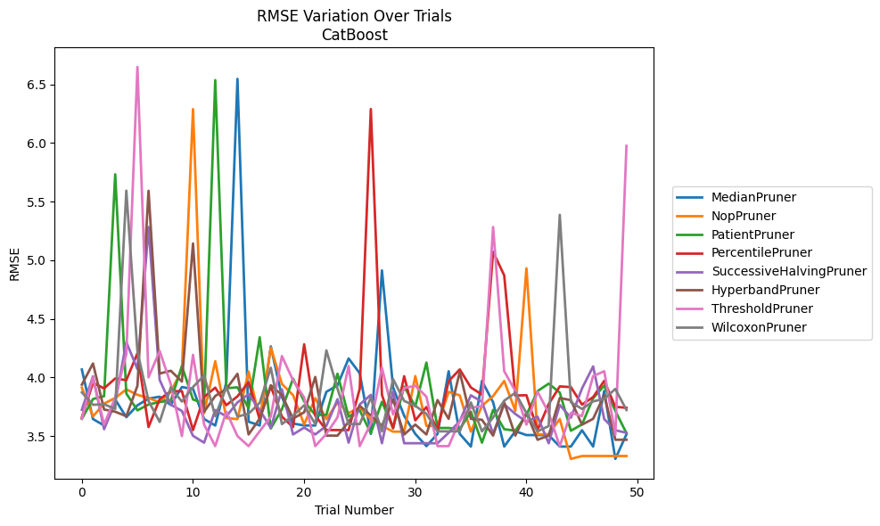
Trial | MedianPruner | NopPruner | PatientPruner | PercentilePruner | SuccessiveHalvingPruner | HyperbandPruner | ThresholdPruner | WilcoxonPruner
1 | 4.0673005383 | 3.9129292306 | 3.6467187135 | 3.6605297076 | 3.7237735605 | 3.9380721863 | 3.6486678432 | 3.8720959014
2 | 3.6448119837 | 3.6671124317 | 3.815686722 | 3.9529088522 | 4.009048653 | 4.1191652553 | 3.999622558 | 3.766238107
3 | 3.5895863096 | 3.7767577568 | 3.8398610184 | 3.9064659599 | 3.558222882 | 3.7260400002 | 3.5972676699 | 3.7710461077
4 | 3.8111251604 | 3.8247315425 | 5.7338353355 | 3.9909034928 | 3.7872921638 | 3.707241644 | 3.8280877373 | 3.7311675301
5 | 3.6605297076 | 3.8985450376 | 3.8623465905 | 3.9763142752 | 4.301807499 | 3.6688594798 | 4.1987262449 | 5.5940510979
6 | 3.7621810576 | 3.8513811872 | 3.7190120052 | 4.2071097573 | 4.0711299973 | 3.9289040229 | 6.6496112499 | 4.2217373974
7 | 3.8195157908 | 3.8247315425 | 3.7686299961 | 3.5766096024 | 5.2835492706 | 5.592954494 | 4.0011138683 | 3.7986172343
8 | 3.8352292974 | 3.7875933173 | 3.7905083864 | 3.8143929587 | 3.9789498378 | 4.0330041823 | 4.2259281298 | 3.6203554168
9 | 3.7649720581 | 3.8771275104 | 3.8003766199 | 3.8822830093 | 3.7677431254 | 4.0569937527 | 3.9422320239 | 3.9141298317
10 | 3.917471664 | 4.0642831637 | 4.0966601932 | 3.8826225973 | 3.7133329252 | 3.9644262919 | 3.4992680407 | 3.793880638
11 | 3.9020601902 | 6.290376727 | 3.8117445527 | 3.5506602012 | 3.5015367713 | 5.1433215775 | 4.1929133765 | 3.917707717
12 | 3.6448119837 | 3.6942672856 | 3.7782179652 | 3.8336851524 | 3.4431407204 | 3.707241644 | 3.5968480882 | 4.0177941732
13 | 3.5895863096 | 4.1381024373 | 6.5375389478 | 3.9127657435 | 3.7215420988 | 3.8411762031 | 3.4135958889 | 3.6698758819
14 | 3.9594329312 | 3.6534191359 | 3.9076706471 | 3.7633008484 | 3.6674066702 | 3.9018447935 | 3.7071721456 | 3.9173801516
15 | 6.5480329632 | 3.6438330827 | 3.9153056602 | 3.8381899533 | 3.7865422714 | 4.0307950865 | 3.4992680407 | 3.6655550959
16 | 3.6219799185 | 4.0502422687 | 3.7372981563 | 3.9598683135 | 3.8571603509 | 3.5129329041 | 3.4135958889 | 3.6904001743
17 | 3.5895863096 | 3.6435587631 | 4.3430338894 | 3.6443085439 | 3.722576554 | 3.6486427701 | 3.5408241877 | 3.78280432
18 | 4.2648347099 | 4.2538173542 | 3.5646496118 | 3.9232629369 | 3.5683015324 | 3.9334171804 | 3.6655550959 | 4.0826296988
19 | 3.8341590707 | 3.9438653727 | 3.7287055649 | 3.6652073268 | 3.8985450376 | 3.8496374869 | 4.1822559944 | 3.6016307862
20 | 3.6066603814 | 3.8491136612 | 3.9893484504 | 3.5753347373 | 3.5133192966 | 3.6486427701 | 3.9751009904 | 3.6731916946
21 | 3.5895863096 | 3.5988096948 | 3.7958001464 | 4.2823111804 | 3.5716901725 | 3.7024087871 | 3.8288482131 | 3.7621810576
22 | 3.5895863096 | 3.8230443634 | 3.6801047607 | 3.6731916946 | 3.5133192966 | 4.0037085487 | 3.4135958889 | 3.6016307862
23 | 3.8770425229 | 3.6438330827 | 3.6801047607 | 3.5506602012 | 3.5869511679 | 3.5032442064 | 3.5178972151 | 4.2305878787
24 | 3.9321916165 | 3.7857334337 | 4.0311780693 | 3.5506602012 | 3.8139425744 | 3.5032442064 | 3.6595091795 | 3.9049376929
25 | 4.1616336457 | 3.6958497488 | 3.6652073268 | 3.5506602012 | 3.4431407204 | 3.62141023 | 4.0966601932 | 3.6016307862
26 | 4.0355167839 | 3.7443247072 | 3.7186955051 | 3.9026584866 | 3.7695174979 | 3.7572337604 | 3.4135958889 | 3.6016307862
27 | 3.5178972151 | 3.6413760596 | 3.5245680591 | 6.290376727 | 3.85087741 | 3.6754473559 | 3.6061124466 | 3.8280877373
28 | 4.9132848888 | 3.5869511679 | 3.7923269241 | 3.851376744 | 3.4382073045 | 3.5869511679 | 4.0826296988 | 3.5396764786
29 | 3.9152686251 | 3.5371497975 | 3.5683015324 | 3.5659369111 | 3.8823067092 | 3.8117445527 | 3.684660337 | 3.9864263218
30 | 3.6722941722 | 3.5371497975 | 3.921656865 | 4.0100891773 | 3.4382073045 | 3.5129329041 | 3.90914251 | 3.7994692698
31 | 3.5178972151 | 4.0110643282 | 3.7519566608 | 3.6335027728 | 3.4382073045 | 3.5972676699 | 3.9291301037 | 3.7577543648
32 | 3.4135958889 | 3.5869511679 | 4.1265612681 | 3.7474392801 | 3.4382073045 | 3.5129329041 | 3.8352152973 | 3.6888838997
33 | 3.5178972151 | 3.5869511679 | 3.5683015324 | 3.5506602012 | 3.4382073045 | 3.8068513287 | 3.4135958889 | 3.5396764786
34 | 4.0526734775 | 3.8766445722 | 3.5683015324 | 3.9681608009 | 3.5277985716 | 3.6465902073 | 3.4135958889 | 3.5396764786
35 | 3.5178972151 | 3.8468085514 | 3.558222882 | 4.0680300766 | 3.6260011414 | 4.0468019732 | 3.6320841152 | 3.5396764786
36 | 3.4098868648 | 3.5371497975 | 3.7078268061 | 3.9141298317 | 3.847332665 | 3.6467187135 | 3.7414815187 | 3.7862921928
37 | 3.9696650581 | 3.7577543648 | 3.4431407204 | 3.8532004144 | 3.7923269241 | 3.6382445461 | 3.7539077334 | 3.5396764786
38 | 3.7886011612 | 3.8405992941 | 3.722576554 | 5.0723852219 | 3.5196943609 | 3.5032442064 | 5.2835492706 | 3.6578467799
39 | 3.4098868648 | 3.9696650581 | 3.558222882 | 4.870758971 | 3.7708602155 | 3.7866441523 | 4.0526734775 | 3.8014802324
40 | 3.5408241877 | 3.7148564967 | 3.5450179834 | 3.8452928553 | 3.6886482478 | 3.5032442064 | 3.885011609 | 3.8689710312
41 | 3.5078977957 | 4.9314041255 | 3.6802177443 | 3.8480947555 | 3.62141023 | 3.6971638199 | 3.5970311437 | 3.6958497488
42 | 3.5078977957 | 3.5148716517 | 3.8833910932 | 3.5506602012 | 3.6652073268 | 3.4680020629 | 3.8789020116 | 3.5396764786
43 | 3.5078977957 | 3.5148716517 | 3.9467255545 | 3.7722170104 | 3.4382073045 | 3.5032442064 | 3.697640226 | 3.5848609938
44 | 3.4098868648 | 3.6447958998 | 3.8705994859 | 3.9232629369 | 3.7649720581 | 3.8242067591 | 3.4135958889 | 5.3877353003
45 | 3.4098868648 | 3.3045117927 | 3.5450179834 | 3.917113072 | 3.6561407956 | 3.8060033369 | 3.6973606501 | 3.7878405887
46 | 3.5493316039 | 3.3292709655 | 3.5991753654 | 3.7683639036 | 3.9058824136 | 3.5968480882 | 3.6698758819 | 3.7311675301
47 | 3.4098868648 | 3.3292709655 | 3.8222254548 | 3.8320711771 | 4.0937021061 | 3.6467187135 | 4.0109900016 | 3.7953897122
48 | 3.885011609 | 3.3292709655 | 3.9303497461 | 3.9704352023 | 3.6442604561 | 3.8491136612 | 4.0526734775 | 3.8169747116
49 | 3.3045117927 | 3.3292709655 | 3.7132375473 | 3.7488208832 | 3.5491242741 | 3.4680020629 | 3.5102668643 | 3.9018447935
50 | 3.5148716517 | 3.3292709655 | 3.5245680591 | 3.7408746958 | 3.5272723791 | 3.4680020629 | 5.9761042018 | 3.7217346609

RMSE_Trials_NGBoost
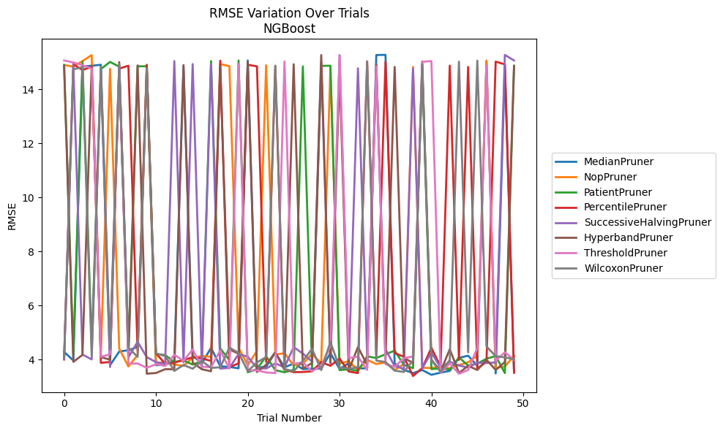
Trial | MedianPruner | NopPruner | PatientPruner | PercentilePruner | SuccessiveHalvingPruner | HyperbandPruner | ThresholdPruner | WilcoxonPruner
1 | 4.2806948655 | 14.908412213 | 14.907001271 | 3.9995462045 | 4.0252820481 | 14.860550813 | 15.072825814 | 4.0740390454
2 | 3.9643152989 | 14.845796255 | 4.2025336417 | 14.934760624 | 14.908353024 | 3.9118424172 | 15.002186339 | 14.74441096
3 | 14.849621933 | 15.054107738 | 15.025470452 | 14.722125977 | 4.182970984 | 4.1716769416 | 14.893795978 | 14.829359115
4 | 14.880288755 | 15.273647559 | 4.4493021258 | 14.838164093 | 4.0024957344 | 14.886785754 | 14.776388734 | 4.1337427347
5 | 14.915093042 | 4.1786493821 | 14.756959307 | 3.8771714761 | 14.761292583 | 4.089088786 | 4.0993265459 | 14.837455049
6 | 3.7877163587 | 14.765172867 | 15.021028482 | 3.9067123177 | 3.7223607725 | 3.9927328307 | 4.1901739682 | 4.3858202729
7 | 4.2939806778 | 4.4027688129 | 14.844341669 | 14.7739594 | 14.886091579 | 15.014457528 | 14.851145487 | 14.949089853
8 | 4.3447220241 | 3.7419724266 | 4.4072705149 | 14.879018109 | 4.0796280646 | 4.0298024072 | 3.8425157468 | 4.4396126482
9 | 4.4600392691 | 4.1604134627 | 14.858565551 | 4.3151196812 | 4.65425333 | 14.893963098 | 3.8515977671 | 4.0966266796
10 | 14.819674847 | 14.838445632 | 14.859156983 | 14.916640919 | 4.0869007129 | 3.4747951799 | 3.6911168281 | 14.790537467
11 | 3.7896042873 | 3.8671458522 | 4.2047062281 | 4.225093661 | 3.9036559383 | 3.4989618604 | 3.8265604242 | 4.223140891
12 | 3.8010262341 | 3.9099385615 | 4.1650265928 | 3.847298597 | 3.8291391379 | 3.640825025 | 3.7606840569 | 4.1298899976
13 | 3.9526123415 | 3.8131977663 | 3.907842283 | 3.8812488013 | 15.053060069 | 3.6375779594 | 4.1720773589 | 3.5770597603
14 | 14.848494843 | 3.7670936076 | 3.9694284007 | 3.9830793499 | 3.8966612073 | 14.904466411 | 3.950467212 | 3.7969271589
15 | 4.1401415541 | 4.0660012256 | 3.809664545 | 4.0791164488 | 14.942423724 | 3.8816919957 | 4.3701120236 | 3.6583554687
16 | 3.8576504999 | 4.1270159252 | 3.9437495124 | 4.0374950351 | 3.7049480947 | 3.6382946987 | 3.7304357011 | 3.9468139895
17 | 4.4316993848 | 4.0998305744 | 15.053276111 | 3.9475298179 | 14.937979642 | 3.5638745723 | 3.7157495052 | 3.6882406314
18 | 3.7503483538 | 14.941936453 | 4.405070146 | 15.067104009 | 3.6596839045 | 14.867784285 | 4.3305054854 | 3.7101515362
19 | 3.7234707185 | 14.8645639 | 3.9800186176 | 3.7198225478 | 3.6911418807 | 4.3701008891 | 3.6603636507 | 4.4395509002
20 | 3.6724736685 | 4.4325528853 | 15.075330684 | 3.8542729047 | 4.1989288739 | 4.2169808047 | 14.94203345 | 4.2485860518
21 | 15.074376743 | 3.7842968554 | 3.5272167899 | 14.915237413 | 4.1028301978 | 15.018208959 | 3.5961344144 | 3.5679765801
22 | 3.7028941568 | 4.3209441154 | 3.6436405563 | 14.85871706 | 3.6854840711 | 3.5359403566 | 3.5961317638 | 3.89126273
23 | 3.7290951661 | 14.895998411 | 4.1211242782 | 3.9157748057 | 3.6643484143 | 3.8050916889 | 3.5204957643 | 4.0878224432
24 | 4.2596156878 | 4.1826331231 | 3.6039080174 | 14.857049092 | 3.8553804514 | 4.2727441017 | 3.4948997562 | 14.885834507
25 | 3.7086907673 | 4.2325793005 | 3.5259168735 | 3.6375667662 | 3.7124249887 | 3.6110389487 | 15.039582629 | 3.6471038739
26 | 3.8490819075 | 3.7787829373 | 3.616660593 | 3.5294680483 | 4.4605857837 | 14.934709859 | 3.8364577821 | 3.5633770098
27 | 3.6439091095 | 3.8390309736 | 14.854277575 | 3.5371997065 | 4.2177017087 | 3.6658687653 | 3.8968366458 | 3.9461810825
28 | 3.6613043624 | 4.2049324362 | 3.717672337 | 3.5600768726 | 3.9238168002 | 3.8721235056 | 3.5626149681 | 4.3928758239
29 | 3.6641539674 | 3.8555973823 | 14.873952781 | 3.9013478249 | 15.016495574 | 15.275435534 | 3.7668195585 | 3.6079386576
30 | 4.2363644077 | 14.807633441 | 14.880153129 | 3.7682652555 | 3.861261961 | 3.8704079636 | 4.5025454377 | 4.6523944398
31 | 3.6444696024 | 3.852152426 | 3.6047035158 | 4.0345632095 | 15.270152468 | 14.70546667 | 15.277447248 | 3.6872385659
32 | 3.8660745352 | 3.9344755686 | 3.6367415738 | 3.5544432825 | 3.6869106885 | 3.6023432597 | 4.0492660156 | 3.6637656262
33 | 3.6683822106 | 3.6080171601 | 3.5761674963 | 3.4963900944 | 14.787300675 | 4.4609987571 | 4.1081194731 | 3.701207297
34 | 3.674256701 | 3.9850752706 | 4.1171962993 | 15.037481388 | 4.1624015856 | 3.8039340282 | 3.6146272808 | 15.042010339
35 | 15.276958865 | 3.8329863589 | 4.0541897421 | 4.1401656396 | 14.911771855 | 14.920367881 | 14.86329037 | 3.9592524424
36 | 15.282003869 | 3.8916273591 | 4.1937928268 | 15.026115129 | 4.3773996865 | 3.9919749586 | 3.8272041976 | 3.9069617187
37 | 3.8488859234 | 3.6111546163 | 4.3283066554 | 4.2369833982 | 3.7533047062 | 14.834223792 | 3.7251929008 | 3.585866096
38 | 3.616313827 | 3.8314556163 | 3.8025866626 | 4.1018665737 | 3.6548224752 | 4.061098631 | 4.0514876346 | 3.538174596
39 | 3.4949142714 | 14.835355841 | 3.6780191321 | 3.3874928223 | 14.777500091 | 3.8714143502 | 4.1122650075 | 3.965913804
40 | 3.6109159388 | 3.6943822476 | 14.909117873 | 3.6839026543 | 3.6698376022 | 15.039708817 | 15.023934911 | 14.931298964
41 | 3.4332492127 | 3.6817632617 | 3.6426369625 | 4.4321859221 | 4.2646168261 | 3.9985601844 | 15.053054485 | 3.9724367798
42 | 3.511932823 | 3.7374008024 | 3.6722352854 | 3.7394005865 | 3.689241534 | 3.5554333823 | 3.5040020583 | 3.5429068465
43 | 3.5769204561 | 3.6701577204 | 3.6283728808 | 14.882466958 | 3.9187767578 | 4.3799057725 | 3.8557914046 | 3.9773651485
44 | 4.0611463049 | 3.7906286959 | 4.0783261296 | 3.9850800458 | 3.7788866475 | 3.499835267 | 3.4712045908 | 15.030764431
45 | 4.1397219988 | 3.8987601062 | 3.774550668 | 14.835418365 | 3.7010053819 | 3.7665157304 | 3.6141068296 | 4.2626528664
46 | 3.7661486776 | 4.1349478893 | 3.8485870631 | 3.6630631051 | 3.8819655914 | 3.6099779663 | 4.4279568956 | 15.069280103
47 | 15.039006726 | 15.072968068 | 4.0282620483 | 3.9122841091 | 3.8685096029 | 3.9899668139 | 14.876464766 | 4.4789267567
48 | 3.482231067 | 3.6828372654 | 4.1303392232 | 15.030880868 | 3.8896667975 | 3.6138117652 | 3.9470665347 | 4.1264433431
49 | 14.896061506 | 3.7387654735 | 3.4971263236 | 14.930988125 | 15.281352644 | 3.9040674314 | 4.2653802397 | 4.0778628292
50 | 3.536771619 | 4.1365845462 | 14.883440083 | 3.5080727592 | 15.074762649 | 14.857953545 | 3.9859460669 | 4.009292316

RMSE_Trials_TabNet
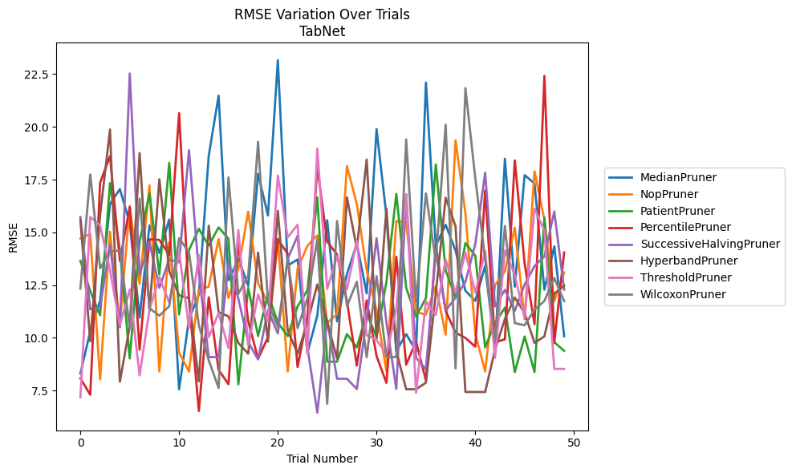
Trial | MedianPruner | NopPruner | PatientPruner | PercentilePruner | SuccessiveHalvingPruner | HyperbandPruner | ThresholdPruner | WilcoxonPruner
1 | 8.3092894106 | 14.710309321 | 13.64850952 | 8.0871932181 | 15.732837615 | 15.573385038 | 7.1826144094 | 12.335327661
2 | 10.312368855 | 14.922978067 | 12.219941812 | 7.3049566482 | 11.354578938 | 9.840185228 | 15.733265967 | 17.741184311
3 | 11.769362166 | 8.0385393727 | 11.073962765 | 17.352066482 | 11.44839584 | 15.829117775 | 15.316784744 | 13.299522098
4 | 16.341725372 | 15.032372154 | 17.332778767 | 18.612703876 | 14.414079235 | 19.870517767 | 13.226310381 | 14.091128474
5 | 17.051047099 | 10.628334084 | 14.139210474 | 13.64850952 | 10.502579061 | 7.9228247012 | 10.59314742 | 14.14577147
6 | 15.44933897 | 16.249729213 | 9.028687972 | 16.194635173 | 22.530330714 | 10.554694769 | 12.289927471 | 10.464445178
7 | 10.958501179 | 12.561526616 | 14.558556605 | 9.4380714864 | 13.015422074 | 18.760585555 | 8.2266904178 | 16.602240912
8 | 15.334863749 | 17.227155025 | 16.846187168 | 14.666583174 | 14.526198744 | 11.260392125 | 11.337627741 | 11.403679057
9 | 14.023742931 | 8.409424323 | 13.002418702 | 14.643518727 | 12.370354852 | 17.518609339 | 12.878617279 | 11.053036577
10 | 15.610337557 | 14.529273985 | 18.294197901 | 13.932917986 | 13.713490248 | 13.167728799 | 11.668456079 | 11.500519744
11 | 7.559814126 | 9.300133202 | 11.1099148 | 20.647572027 | 13.581725415 | 12.011524732 | 14.071452007 | 14.724845645
12 | 10.901036187 | 8.409424323 | 14.166122851 | 11.84254952 | 18.893340559 | 11.884350407 | 10.476496252 | 14.057877117
13 | 12.048822347 | 12.286128197 | 15.170193834 | 6.5376404745 | 13.078193288 | 7.9387227709 | 13.934602654 | 10.594060482
14 | 18.629399159 | 12.43061539 | 14.373414647 | 11.923163356 | 9.0899341833 | 15.316784744 | 10.033087707 | 8.93724232
15 | 21.474326879 | 14.685991816 | 15.237786594 | 8.486243869 | 9.0899341833 | 11.215900719 | 11.171599275 | 7.6307375056
16 | 12.728889056 | 11.890197273 | 14.694292318 | 7.8089975771 | 13.553055565 | 11.022659911 | 9.5238494647 | 17.601998264
17 | 13.744296388 | 13.271627516 | 7.8028640663 | 14.532355129 | 11.861002742 | 9.7612728488 | 15.110281109 | 12.090225959
18 | 12.467477066 | 15.979645692 | 12.375117675 | 10.795486251 | 9.8018833529 | 9.254142745 | 9.6495133072 | 12.955149461
19 | 17.773673397 | 12.583070989 | 10.092552348 | 9.0108096975 | 8.9776697973 | 14.043563736 | 12.053617942 | 19.294350462
20 | 15.801397069 | 11.676962891 | 12.101221935 | 10.036383574 | 11.325606321 | 9.8188274228 | 10.768889659 | 11.671924855
21 | 23.156005906 | 14.697350301 | 10.721545307 | 14.675180621 | 10.212460462 | 16.018449846 | 17.697394537 | 10.525618689
22 | 13.426772482 | 8.409424323 | 10.092552348 | 13.985820714 | 13.749637108 | 10.352544035 | 14.770329111 | 13.7174764
23 | 13.716333474 | 13.279329245 | 11.492034576 | 8.6200916938 | 14.834536179 | 9.254142745 | 15.362290002 | 10.464445178
24 | 9.2971588967 | 14.367442899 | 12.265072903 | 11.019740285 | 9.5508965257 | 10.72121407 | 9.2422860226 | 11.873367018
25 | 11.060100418 | 14.856433738 | 16.663802321 | 18.106965059 | 6.4581558256 | 12.533210614 | 18.9758382 | 14.662343278
26 | 15.575049685 | 10.702722075 | 8.8728010135 | 14.567055665 | 10.837140773 | 10.751431733 | 12.319008976 | 6.8823626257
27 | 10.782009537 | 11.136130038 | 8.8728010135 | 13.946298862 | 8.0641036534 | 9.0108096975 | 13.877664184 | 15.53989698
28 | 13.024646011 | 18.142355445 | 10.182948422 | 11.732325093 | 8.0641036534 | 16.659351643 | 12.297257741 | 11.50384243
29 | 14.461971383 | 16.342590822 | 9.5490068673 | 8.6898388376 | 7.5759538752 | 14.245183357 | 14.606389876 | 12.662132941
30 | 12.108764087 | 13.205331886 | 11.153492304 | 11.773988954 | 10.906665632 | 18.448622859 | 10.121974472 | 9.0821748015
31 | 19.887990989 | 11.277829326 | 10.049950887 | 9.1413479791 | 14.719653587 | 9.96854219 | 9.9031882673 | 12.925608238
32 | 15.789687758 | 8.409424323 | 12.659208757 | 7.8701339234 | 10.738443043 | 16.123797624 | 9.2422860226 | 9.0821748015
33 | 9.3853482779 | 15.535459421 | 16.823823972 | 13.845884319 | 7.5879620042 | 9.3770398102 | 11.340570649 | 9.0956889246
34 | 10.182948422 | 15.476343728 | 12.378295635 | 8.7340778237 | 16.793926197 | 7.5671949925 | 16.812554343 | 19.409091983
35 | 9.3853482779 | 11.22986194 | 11.01108682 | 9.8255884092 | 9.0538721834 | 7.5671949925 | 7.3949636503 | 11.696837657
36 | 22.09656836 | 11.099637457 | 11.887770485 | 7.9776669188 | 8.5145806541 | 7.8792889005 | 11.739602922 | 16.843817514
37 | 14.36964767 | 12.464767901 | 18.216918519 | 14.414261103 | 14.076489087 | 12.104332719 | 11.085988203 | 13.64850952
38 | 15.362290002 | 10.153806241 | 13.196394071 | 11.281704796 | 11.302048861 | 16.641239764 | 13.703180338 | 20.103865285
39 | 14.136573274 | 19.36022192 | 11.907411015 | 10.249491165 | 11.907866182 | 15.285935541 | 12.14014023 | 8.5525482363
40 | 12.230520934 | 15.907548729 | 14.491493043 | 9.9991722981 | 12.657409439 | 7.4375963818 | 14.042936117 | 21.8365629
41 | 11.754372914 | 10.192426368 | 13.89513082 | 9.5831594244 | 14.440197022 | 7.4375963818 | 12.141099727 | 17.572364392
42 | 13.419284242 | 8.409424323 | 9.5490068673 | 16.989645773 | 17.828303725 | 7.4375963818 | 14.104970297 | 13.736406119
43 | 9.3853482779 | 12.501299476 | 10.71599998 | 9.7903321891 | 11.488637796 | 9.4421427534 | 9.0504745536 | 9.9130179977
44 | 18.486500566 | 13.15785213 | 11.431284328 | 9.9336443276 | 12.276165767 | 10.896620504 | 14.145544717 | 15.305803122
45 | 12.42397321 | 15.221274381 | 8.3815896435 | 18.409184772 | 11.281704796 | 11.913630718 | 12.975805876 | 10.699148491
46 | 17.711018461 | 10.889096262 | 10.067204861 | 13.518577885 | 12.526929534 | 11.172121493 | 10.960390381 | 10.6009319
47 | 17.32052711 | 17.89089972 | 8.3815896435 | 10.648383463 | 13.404591748 | 9.7650716427 | 16.125381654 | 11.337627741
48 | 12.286136743 | 15.587131223 | 15.708242474 | 22.413643159 | 13.860486073 | 10.071094524 | 15.074168728 | 11.749153375
49 | 14.335430051 | 11.731105026 | 9.7938449135 | 9.7670752749 | 15.98936501 | 12.093459632 | 8.5317620592 | 12.83778922
50 | 10.075897894 | 13.101804457 | 9.387769353 | 14.048265534 | 12.286128197 | 12.472792687 | 8.5317620592 | 11.740221882

RMSE_Trials_HistGradientBoosting
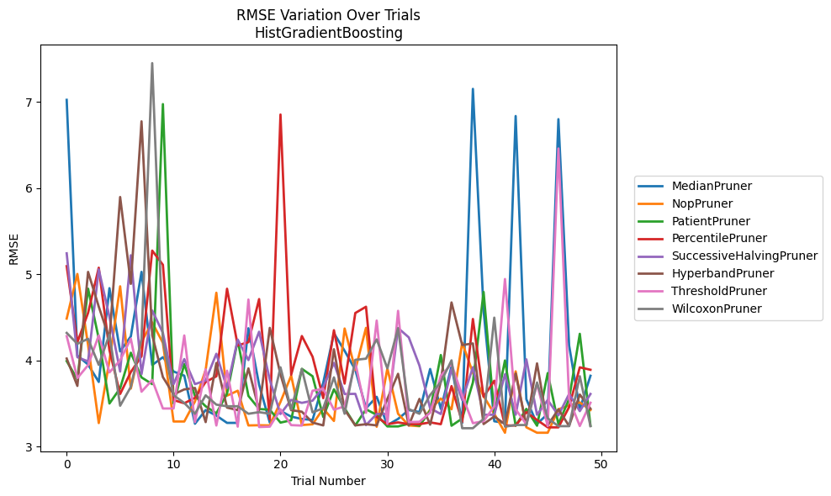
Trial | MedianPruner | NopPruner | PatientPruner | PercentilePruner | SuccessiveHalvingPruner | HyperbandPruner | ThresholdPruner | WilcoxonPruner
1 | 7.0217069594 | 4.4840933307 | 3.9909089813 | 5.092290446 | 5.2413488174 | 4.020422219 | 4.2803163248 | 4.3177801251
2 | 4.0550394812 | 5.0016554158 | 3.7798587732 | 4.2090376491 | 4.0362699825 | 3.7031351173 | 3.7939423964 | 4.1916398678
3 | 3.9509934467 | 4.1782320057 | 4.8310360461 | 4.5503195958 | 3.9871561207 | 5.0256829607 | 3.943596676 | 4.2497729443
4 | 3.7492384373 | 3.2721156691 | 4.2525528937 | 5.074132692 | 5.0556222234 | 4.6229242914 | 4.289154705 | 3.947150553
5 | 4.8369607645 | 3.9972932493 | 3.498931737 | 4.1170646895 | 4.5039375779 | 4.2519448733 | 3.8596586741 | 4.2999691887
6 | 4.1030649558 | 4.8584307363 | 3.6755395625 | 3.6091774475 | 3.8696385421 | 5.8945346891 | 4.0000558986 | 3.4731900423
7 | 4.2775223485 | 3.6722196139 | 4.0881470332 | 3.8639926289 | 5.2188856697 | 4.8867442723 | 4.2502926573 | 3.6914637433
8 | 5.0261856806 | 4.214621751 | 3.8016322572 | 4.047260924 | 3.8402401639 | 6.7723648154 | 3.6358200862 | 4.2482351828
9 | 3.9455200066 | 4.439878513 | 3.7237639703 | 5.2730406342 | 4.5778460904 | 4.290767521 | 3.772168658 | 7.4475694352
10 | 4.0362320079 | 4.2022838751 | 6.9723162694 | 5.1080541641 | 4.318597239 | 3.8051757111 | 3.4409415467 | 4.225258708
11 | 3.8701762509 | 3.2900465203 | 3.498931737 | 3.5384492686 | 3.7237609059 | 3.6050958942 | 3.4409415467 | 3.5946381331
12 | 3.8217100064 | 3.2900465203 | 3.9551890232 | 3.5017934426 | 4.0145868513 | 3.6624131305 | 4.2881926732 | 3.5051307932
13 | 3.2641446934 | 3.5224959789 | 3.5873696938 | 3.5645797742 | 3.7237609059 | 3.6792432008 | 3.2831705461 | 3.3798809036
14 | 3.4231219434 | 3.8887001665 | 3.4667469186 | 3.7490172214 | 3.765573547 | 3.2831705461 | 3.8950894799 | 3.5936732349
15 | 3.3586192815 | 4.7837996811 | 3.3843952839 | 3.8145047523 | 4.0756882693 | 3.9689010932 | 3.2436898538 | 3.4858127544
16 | 3.2741032752 | 3.5900770314 | 3.6125393458 | 4.8304153607 | 3.6781192278 | 3.451752575 | 3.8792153268 | 3.4667469186
17 | 3.2741032752 | 3.6471146346 | 4.2333079914 | 4.17226097 | 4.2401416643 | 3.4216264862 | 3.2304993217 | 3.4667469186
18 | 4.3719555994 | 3.2444889068 | 3.5871197433 | 4.2105149527 | 4.0025911573 | 3.9062810645 | 4.7051529423 | 3.3798809036
19 | 3.7169686357 | 3.2467365626 | 3.4352781462 | 4.7103197133 | 4.3316044751 | 3.4216264862 | 3.2260953839 | 3.3985498845
20 | 3.2773030653 | 3.2444889068 | 3.4266205931 | 3.3146470497 | 3.7725379463 | 4.376228486 | 3.2304993217 | 3.3798809036
21 | 3.4129086128 | 3.5175212125 | 3.2773030653 | 6.8516461596 | 3.3769320507 | 3.8360567866 | 3.4313140016 | 3.9184095907
22 | 3.3467707184 | 3.8217100064 | 3.3049788123 | 3.832049872 | 3.5408117813 | 3.4216264862 | 3.2481298177 | 3.4312236042
23 | 3.3194373669 | 3.2490018219 | 3.9009171798 | 4.2817609614 | 3.5063612671 | 3.4036292778 | 3.2428648396 | 3.8988158507
24 | 3.3081348138 | 3.2576500012 | 3.8153418762 | 4.0417795564 | 3.5315300741 | 3.2773030653 | 3.6471146346 | 3.396168017
25 | 3.7395839949 | 3.4405385858 | 3.3429474893 | 3.5609076594 | 3.6883315533 | 3.2449223192 | 3.6696781372 | 3.4440938765
26 | 4.3141238069 | 3.2962810399 | 3.6639142662 | 4.3490905803 | 3.9702374848 | 4.1286157385 | 3.4266205931 | 3.8019647846
27 | 4.1096957217 | 4.3689203806 | 3.4436969868 | 3.7295487891 | 3.6086022292 | 3.4266205931 | 3.4660033086 | 3.3798809036
28 | 3.8900666514 | 3.8892340671 | 3.2449223192 | 4.5487215302 | 3.6109712673 | 3.2452030441 | 3.9733347196 | 4.0054404511
29 | 3.4435397221 | 4.3766517781 | 3.432056498 | 4.621587479 | 3.2481298177 | 3.2584752333 | 3.3909530725 | 4.018985503
30 | 3.5764534021 | 3.2293581374 | 3.367087518 | 3.3426581044 | 3.3769320507 | 3.2452030441 | 4.4608756251 | 4.2427275078
31 | 3.2474359124 | 3.9056272321 | 3.2330867606 | 3.2588927191 | 3.3769320507 | 3.5529454179 | 3.2623523037 | 3.9060165589
32 | 3.3203461099 | 3.3798809036 | 3.2330867606 | 3.2798183295 | 4.3747717989 | 3.8432024801 | 4.5739475983 | 4.3727450713
33 | 3.4227667051 | 3.2444889068 | 3.2641446934 | 3.2588927191 | 4.2664455012 | 3.2437164397 | 3.2831705461 | 3.434347857
34 | 3.3996392419 | 3.2358779565 | 3.2410706094 | 3.2588927191 | 3.9388669671 | 3.5526444055 | 3.2869331696 | 3.3798809036
35 | 3.8989860175 | 3.4278650365 | 3.4174182725 | 3.2798183295 | 3.4430339287 | 3.2537928348 | 3.3919332904 | 3.5969113457
36 | 3.4362560992 | 3.5568208798 | 4.0611195787 | 3.2588927191 | 3.3769320507 | 3.7545139624 | 3.8214044883 | 3.7486625283
37 | 3.9308135522 | 3.432056498 | 3.2410706094 | 3.7005339326 | 3.8980421301 | 4.6712505689 | 3.9562962632 | 3.999501443
38 | 3.2741032752 | 4.2032702545 | 3.3246411816 | 3.2835362939 | 3.5397809516 | 4.1768101873 | 3.5912628177 | 3.2122198347
39 | 7.1489766319 | 3.8552319409 | 3.7431096278 | 4.4795214529 | 3.9200299334 | 4.1958358623 | 3.2709165714 | 3.2122198347
40 | 4.5783195034 | 3.5841389746 | 4.7927908569 | 3.5770168826 | 3.3685164339 | 3.2604854203 | 3.2929387648 | 3.3203461099
41 | 3.2929387648 | 3.3798021952 | 3.377557495 | 3.7633431406 | 3.3685164339 | 3.3483697934 | 3.4660033086 | 4.4948937935
42 | 3.2741032752 | 3.1598144302 | 3.9981073868 | 3.2437164397 | 3.8378087382 | 3.2588178611 | 4.9429026583 | 3.2302692571
43 | 6.8339969604 | 3.8719366365 | 3.2410706094 | 3.2437164397 | 3.3685164339 | 3.8462457562 | 3.432056498 | 3.249361145
44 | 3.5486915552 | 3.2228847233 | 3.4362560992 | 3.3985498845 | 4.0113362814 | 3.2449223192 | 3.2576500012 | 3.249361145
45 | 3.2623523037 | 3.1598144302 | 3.2410706094 | 3.3081348138 | 3.3685164339 | 3.9641241878 | 3.7253552999 | 3.7426530605
46 | 3.3782938604 | 3.1598144302 | 3.8514062588 | 3.2221310178 | 3.539388465 | 3.2449223192 | 3.2377047097 | 3.3273033297
47 | 6.7977875353 | 3.4313140016 | 3.2601391617 | 3.2221310178 | 3.3611520072 | 3.432056498 | 6.457319483 | 3.2360223728
48 | 4.1712551559 | 3.4770046418 | 3.5515897373 | 3.4577653357 | 3.6092207261 | 3.2383735535 | 3.5507848282 | 3.2360223728
49 | 3.4325924485 | 3.5112070263 | 4.3073948191 | 3.9184099566 | 3.4104830829 | 3.6028739698 | 3.2377047097 | 3.8154193061
50 | 3.8204862549 | 3.4234732135 | 3.2410706094 | 3.8901933318 | 3.6095463769 | 3.4387770902 | 3.507700783 | 3.2360223728

RMSE_Trials_PGBM
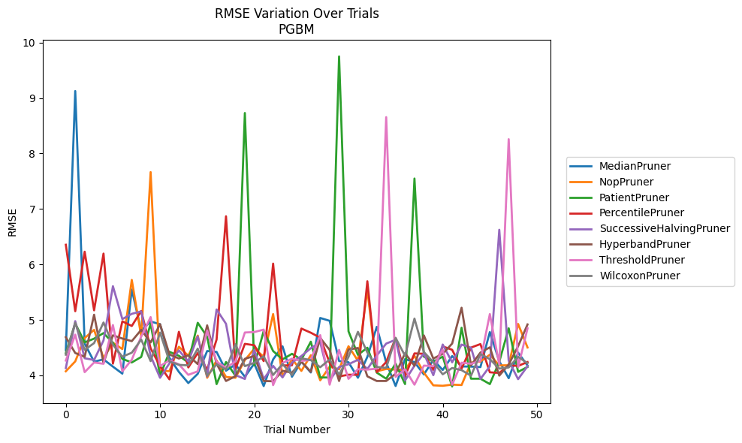
Trial | MedianPruner | NopPruner | PatientPruner | PercentilePruner | SuccessiveHalvingPruner | HyperbandPruner | ThresholdPruner | WilcoxonPruner
1 | 4.4560649588 | 4.0747165758 | 4.4047455228 | 6.3551659688 | 4.1325367934 | 4.6882128127 | 4.2668967929 | 4.3732225731
2 | 9.1253698385 | 4.2527097769 | 4.9363292677 | 5.1567175855 | 4.9783967779 | 4.4036770514 | 4.734618569 | 4.9477793243
3 | 4.5723874403 | 4.6739425121 | 4.5956068598 | 6.229832935 | 4.3091754377 | 4.3354606984 | 4.0586791027 | 4.4612508284
4 | 4.24796454 | 4.8209359331 | 4.6627495313 | 5.1728459505 | 4.2777569595 | 5.0940368995 | 4.2333885274 | 4.5824520363
5 | 4.2892371442 | 4.3135985984 | 4.7627326383 | 6.1959016198 | 4.630923226 | 4.2236356833 | 4.2092426684 | 4.9539021249
6 | 4.1584245688 | 4.5902508249 | 4.5883566697 | 4.2122123024 | 5.6079152291 | 4.7231614771 | 4.9079809753 | 4.5521106233
7 | 4.031947241 | 4.4746116356 | 4.2975743162 | 4.9746460092 | 5.0149349073 | 4.6646360242 | 4.0737805254 | 4.3377996938
8 | 5.5478841332 | 5.7211385074 | 4.2333885274 | 4.8907811132 | 5.1099833224 | 4.6176292865 | 4.2826275486 | 4.4090028769
9 | 4.8077857933 | 4.7070688281 | 4.3324494487 | 5.1619157922 | 5.153941003 | 4.8213616204 | 4.7002341399 | 4.6472242149
10 | 4.9718002781 | 7.6645343519 | 4.9324894404 | 4.489083847 | 4.3510120937 | 4.5935579035 | 5.0511875526 | 4.2573910834
11 | 4.9231488075 | 4.0760284905 | 3.9950324536 | 4.1663495527 | 3.9574961463 | 4.9234070134 | 4.170038228 | 4.7710211267
12 | 4.315338792 | 4.0785800392 | 4.4253406021 | 3.928611701 | 4.2190704423 | 4.3784634194 | 4.2692738693 | 4.2509099736
13 | 4.0632792858 | 4.5161282515 | 4.3535932011 | 4.7861599078 | 4.4515655703 | 4.3044807944 | 4.1993943489 | 4.1904885402
14 | 3.8624000885 | 4.3542314331 | 4.2333885274 | 4.1432447841 | 4.2498237705 | 4.3609749865 | 4.0104472866 | 4.1805852758
15 | 4.0285926872 | 4.7182143426 | 4.948587631 | 4.4034065579 | 4.7028770138 | 4.2038591986 | 4.0737754197 | 4.4825912057
16 | 4.4402092455 | 3.9573401706 | 4.6980738988 | 4.1023125458 | 3.9806159323 | 4.9020431922 | 4.8111218885 | 3.9937712662
17 | 4.4234619397 | 4.2704597375 | 3.8436533824 | 4.6463743374 | 5.1887049696 | 4.2098145688 | 4.2454452178 | 4.2007010595
18 | 4.0849629222 | 3.9720290152 | 4.2414325949 | 6.8684034413 | 4.9299345618 | 3.8993331425 | 4.1388434439 | 4.1064991892
19 | 4.1976885935 | 3.9573401706 | 3.9950324536 | 4.1137596397 | 4.0060715519 | 3.9858771741 | 4.2499839706 | 4.5633234654
20 | 3.9760294029 | 4.2767472231 | 8.7298269276 | 4.5687587498 | 3.9359651048 | 4.2992958306 | 4.7735548468 | 4.1667813945
21 | 4.2137401402 | 4.4811216489 | 4.1798814854 | 4.5438657606 | 4.4590699642 | 4.3497495962 | 4.7815391705 | 4.2274557978
22 | 3.8074437565 | 4.3379898027 | 4.8011443647 | 4.2577201032 | 3.9349779681 | 3.8993331425 | 4.8256278379 | 4.3457059147
23 | 4.2890644643 | 5.1063253586 | 4.4390418342 | 6.0155457771 | 4.1720714607 | 3.8945098461 | 3.8248206334 | 4.0080471038
24 | 4.524265947 | 3.9810831739 | 4.2893834368 | 4.1795401386 | 3.964201496 | 4.0835685493 | 4.2239674795 | 4.2061491293
25 | 3.9760294029 | 4.2958758641 | 4.3893515611 | 4.1824584921 | 4.2308475729 | 4.0479995724 | 4.3005648758 | 4.0080471038
26 | 4.2463132685 | 4.0815046096 | 4.2844618399 | 4.8443227788 | 4.3495750845 | 4.2492635174 | 4.2617999486 | 4.3083479946
27 | 4.0527584959 | 4.3636253228 | 4.6080410801 | 4.7697191591 | 4.4905418085 | 4.0642474533 | 4.278138162 | 4.2752295004
28 | 5.0354956591 | 3.9113631194 | 3.9629996884 | 4.6797431398 | 4.5939915893 | 4.6758015964 | 4.7254730123 | 4.1476468034
29 | 4.9840218654 | 4.1579166566 | 3.9629996884 | 4.2263857427 | 3.9083573274 | 4.4587707122 | 3.8327472805 | 4.2855406519
30 | 4.2591246158 | 4.1097450213 | 9.7496716255 | 3.9822692451 | 4.1526695343 | 3.8993603593 | 4.4606056818 | 4.0137404177
31 | 4.2369529865 | 4.5257960476 | 4.7943030294 | 4.0123017127 | 4.2013103862 | 4.4660043507 | 3.9380151322 | 4.3331856087
32 | 3.9577248684 | 4.2641616505 | 4.3711686453 | 4.0123017127 | 4.2808609679 | 4.4944241045 | 4.1119460328 | 4.7855878495
33 | 4.3342802181 | 5.54734202 | 4.4989478942 | 5.6976247025 | 4.1158206301 | 3.9832915206 | 4.104316848 | 4.4139207121
34 | 4.8752380645 | 4.0744913416 | 4.0500404545 | 4.0590800216 | 4.3589549513 | 3.8993331425 | 4.1219438806 | 4.1522223145
35 | 4.2313050696 | 4.1155789352 | 3.94068446 | 4.2416107443 | 4.5732265724 | 3.8993331425 | 8.6550225294 | 4.1356576114
36 | 3.8089063212 | 4.1037979237 | 4.2116725636 | 4.6747384524 | 4.6426145488 | 4.0302220863 | 3.9728684286 | 4.6766751372
37 | 4.2934517756 | 4.0990363402 | 3.8436533824 | 3.9862161712 | 3.9083573274 | 4.4002084099 | 4.1105200077 | 4.3534102624
38 | 4.2392900831 | 4.3525341135 | 7.5487443829 | 4.3963310452 | 4.1747462477 | 4.1730791766 | 3.8327472805 | 5.0240451453
39 | 4.0174965224 | 4.0494547439 | 4.3383042338 | 4.389833982 | 4.3971857867 | 4.7207603085 | 4.1768692998 | 4.4214852286
40 | 4.2790770728 | 3.8212836999 | 4.2478907852 | 4.099916311 | 4.0035837964 | 4.3034669784 | 4.1656321852 | 4.2378913019
41 | 4.0979255787 | 3.8130850925 | 4.3381759364 | 4.5234491739 | 4.5569513983 | 4.389538244 | 4.4616314757 | 4.0200702796
42 | 4.3488337614 | 3.833561631 | 3.8003140424 | 4.4616314757 | 4.2356491453 | 4.5743427195 | 3.8327472805 | 4.1335861436
43 | 4.1618232413 | 3.826665718 | 4.8594639193 | 4.1215715233 | 4.5557348656 | 5.2199966558 | 4.2297297392 | 4.0946400272
44 | 4.1586456467 | 4.2303941402 | 3.9407797875 | 4.501767522 | 4.4997008292 | 4.1822483143 | 4.2088610514 | 3.9945921201
45 | 4.1502997314 | 4.2514291109 | 3.9407797875 | 4.5649269293 | 3.9359651048 | 4.4113087369 | 4.2640058798 | 4.3857728935
46 | 4.7812401096 | 4.3732225731 | 3.8436533824 | 4.0558711946 | 4.1640321896 | 4.5063115671 | 5.1063253586 | 4.2918235891
47 | 4.2550701589 | 4.179993354 | 4.2467779206 | 4.0444119204 | 6.6253777308 | 3.9959187915 | 4.1916960755 | 4.1227881207
48 | 3.9494160693 | 4.1832095167 | 4.8492060416 | 4.1791702826 | 4.2648509866 | 4.1957655585 | 8.2577030108 | 4.1432447841
49 | 4.4100241111 | 4.9270684519 | 4.0639798577 | 4.171909921 | 3.9322882596 | 4.5275076777 | 4.1466504607 | 4.3354970231
50 | 4.1782678747 | 4.5030864118 | 4.1528119498 | 4.2409027048 | 4.1663495527 | 4.9189027364 | 4.8487339492 | 4.2203331489

