RMSE_Trials_Random Forest
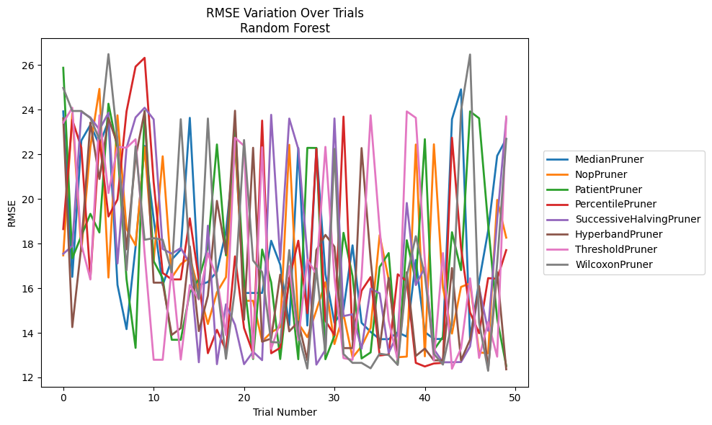
Trial | MedianPruner | NopPruner | PatientPruner | PercentilePruner | SuccessiveHalvingPruner | HyperbandPruner | ThresholdPruner | WilcoxonPruner
1 | 23.928773719 | 17.473342785 | 25.884166012 | 18.652188654 | 17.544990238 | 23.619504518 | 23.424886729 | 24.976675009
2 | 16.510920899 | 23.835928521 | 17.346604941 | 23.549150759 | 17.890894989 | 14.256502252 | 24.091817143 | 23.946712184
3 | 22.620967012 | 17.669429926 | 18.346187865 | 22.307274987 | 23.915861193 | 17.903290158 | 17.968019571 | 23.947155573
4 | 23.32096963 | 22.337926796 | 19.336525649 | 16.453991079 | 23.658026911 | 23.426873788 | 16.392308846 | 23.627093797
5 | 22.431222312 | 24.937839187 | 18.50104834 | 22.678921239 | 23.108465007 | 20.898210721 | 23.753515103 | 22.679958788
6 | 23.49583673 | 16.479035123 | 24.272711925 | 19.216013989 | 23.865619851 | 23.62678979 | 20.265774192 | 26.496435243
7 | 16.149953563 | 23.753338364 | 22.241787888 | 19.979256625 | 17.108621626 | 22.4477627 | 22.33895736 | 22.644870976
8 | 14.165878024 | 18.659099304 | 16.408631243 | 23.927473994 | 22.288682544 | 17.74406848 | 22.297640598 | 16.8041569
9 | 17.846267876 | 17.924827891 | 13.32523204 | 25.935034482 | 23.658526996 | 21.861568454 | 22.678514341 | 22.360480683
10 | 22.379992012 | 22.328531511 | 23.948425253 | 26.330046564 | 24.091817143 | 23.927472856 | 17.566836058 | 18.172431492
11 | 19.109523713 | 17.2134867 | 17.217754064 | 20.759694235 | 23.571179116 | 16.250260638 | 12.792503399 | 18.244420668
12 | 16.142563602 | 21.915225163 | 16.444136826 | 16.686877112 | 17.761243542 | 16.250260638 | 12.792503399 | 18.172442279
13 | 17.284033458 | 16.479035123 | 13.689902968 | 16.395219336 | 17.550322385 | 13.905789174 | 16.923501623 | 16.709320779
14 | 17.726933907 | 17.077671355 | 13.687548508 | 16.39550713 | 17.802698648 | 14.211734696 | 12.801762189 | 23.57675664
15 | 23.639866962 | 17.383809844 | 15.804846881 | 19.133949645 | 17.102919651 | 17.877144459 | 16.141863276 | 17.335294618
16 | 16.139632157 | 15.900108072 | 16.412516456 | 16.395219336 | 12.681353817 | 14.07714803 | 15.490895474 | 15.530588554
17 | 16.278877897 | 14.396197329 | 17.838527632 | 13.088641711 | 18.804635943 | 15.663947271 | 17.569615432 | 23.61028028
18 | 16.743834289 | 15.817127943 | 22.445932799 | 14.137502912 | 12.595044482 | 19.916858238 | 16.43613499 | 16.265119598
19 | 18.535024097 | 16.497521699 | 17.472283787 | 13.211372551 | 15.278318674 | 17.544688177 | 13.896592627 | 12.835700826
20 | 22.4477627 | 22.740105538 | 23.324962066 | 17.429032441 | 14.361820813 | 23.958481717 | 22.748437872 | 15.979056458
21 | 15.788282249 | 15.437880618 | 16.325485155 | 14.215948997 | 12.595044482 | 14.584509962 | 22.387394733 | 22.644870976
22 | 15.788323112 | 15.437880618 | 12.828847308 | 13.088641711 | 13.152477822 | 22.297637817 | 12.867618266 | 17.245609036
23 | 15.788334798 | 13.615858057 | 17.735829871 | 23.516496956 | 12.774566627 | 13.603266264 | 22.320930809 | 16.722570222
24 | 18.12673496 | 14.020743602 | 16.262793245 | 13.084221953 | 23.775963014 | 13.743478128 | 13.286503915 | 13.588862739
25 | 17.057480514 | 14.261421302 | 12.825122138 | 13.328689464 | 17.279357971 | 16.610374486 | 14.481030626 | 13.561491491
26 | 14.341557191 | 22.430824178 | 16.472429922 | 16.405831032 | 23.606912166 | 14.065903355 | 16.99144654 | 17.711530723
27 | 22.28642458 | 14.430240336 | 12.817052323 | 18.130934865 | 22.242498241 | 14.498824895 | 13.68914371 | 13.950478061
28 | 14.327758834 | 13.80492621 | 22.293193135 | 14.882023896 | 17.482380882 | 12.772097903 | 17.27490028 | 12.399693758
29 | 22.283990334 | 15.01043797 | 22.288694784 | 22.248162405 | 12.576757658 | 17.708860619 | 16.639790225 | 16.886871744
30 | 16.633066519 | 16.271086345 | 12.817052323 | 14.536279943 | 13.239571198 | 18.391087562 | 22.338115556 | 13.05092042
31 | 14.451404989 | 13.496473604 | 13.873489879 | 13.907665401 | 23.612673302 | 17.8585723 | 16.478213843 | 22.248475389
32 | 15.051659042 | 14.83161377 | 18.485306907 | 23.694611884 | 14.752602596 | 13.315964647 | 12.867618266 | 13.051929185
33 | 17.923172449 | 12.896041108 | 16.545441052 | 13.69143373 | 14.834004451 | 13.315964647 | 12.792503399 | 12.65394378
34 | 14.451404989 | 13.399349845 | 12.850945106 | 15.891854833 | 13.290485471 | 22.28417581 | 16.521130042 | 12.65394378
35 | 14.042781348 | 14.225482869 | 13.121981038 | 16.498841888 | 15.985702911 | 17.290204627 | 23.753381679 | 12.410754151
36 | 13.717195632 | 18.383124082 | 16.952813985 | 12.984746225 | 15.770052263 | 13.322057767 | 18.641246048 | 13.066033329
37 | 13.717195632 | 16.386231324 | 17.5760359 | 13.032946754 | 13.107205795 | 16.465482063 | 14.543061941 | 13.003019447
38 | 14.02594772 | 12.90725128 | 12.623855492 | 16.624751356 | 13.956470107 | 12.757151688 | 12.772097903 | 12.560460066
39 | 13.830340137 | 12.93506897 | 18.151900538 | 16.320184961 | 19.821634532 | 16.720090574 | 23.927671139 | 16.536657947
40 | 17.267054865 | 22.4427485 | 16.307077538 | 12.65394378 | 16.142792646 | 12.965066541 | 23.64088971 | 18.333319371
41 | 14.033917226 | 12.947366536 | 22.68217711 | 12.49273648 | 16.934343129 | 13.293880375 | 17.2134867 | 16.574199439
42 | 13.724723128 | 22.453215799 | 13.236346916 | 12.627004277 | 13.259757987 | 12.766315423 | 12.772097903 | 13.060691738
43 | 13.724723128 | 16.030352249 | 13.817588006 | 12.65394378 | 12.681353817 | 12.768942048 | 17.57654666 | 12.577972907
44 | 23.578073829 | 13.967314168 | 18.510714758 | 22.748156992 | 12.681353817 | 16.906284737 | 12.39409926 | 14.443280113
45 | 24.916323764 | 16.059361701 | 16.810689598 | 17.81672828 | 12.692010571 | 12.768942048 | 13.298557842 | 23.946712184
46 | 13.724723128 | 16.214624656 | 23.928773719 | 14.917947734 | 13.389489156 | 13.694385219 | 16.443318009 | 26.479116386
47 | 16.302532696 | 13.126112144 | 23.618733243 | 13.981184767 | 16.013807076 | 16.096464021 | 12.877784518 | 14.457221098
48 | 18.575600772 | 13.08391257 | 18.852901637 | 16.452582749 | 14.092432641 | 12.364055331 | 14.483118162 | 12.298891156
49 | 21.937435106 | 19.960723526 | 14.633535624 | 16.423379647 | 19.060040739 | 16.723661626 | 12.932137744 | 17.137101242
50 | 22.69526762 | 18.268017262 | 12.51953278 | 17.709422867 | 23.606167567 | 12.364055331 | 23.695682153 | 22.695199019

RMSE_Trials_Gradient Boosting
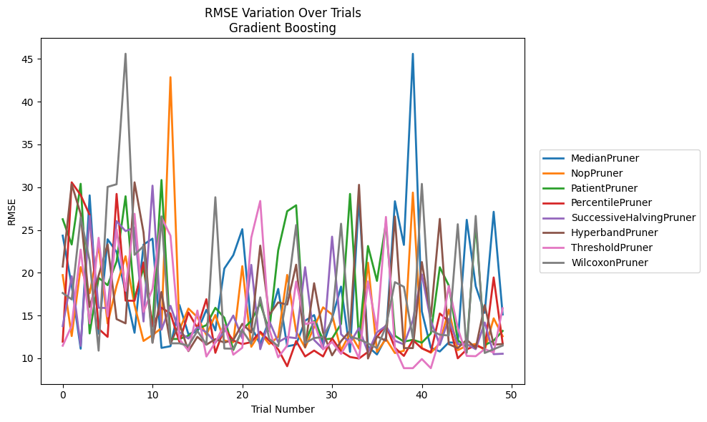
Trial | MedianPruner | NopPruner | PatientPruner | PercentilePruner | SuccessiveHalvingPruner | HyperbandPruner | ThresholdPruner | WilcoxonPruner
1 | 24.343482153 | 19.732054782 | 26.260666496 | 11.946218312 | 13.763943751 | 20.725376421 | 11.474301665 | 17.636935736
2 | 18.495476771 | 12.601106857 | 23.30672057 | 30.572111321 | 19.598251078 | 30.350744957 | 13.816021425 | 16.884689065
3 | 11.122518942 | 20.664052576 | 30.404445614 | 29.087027969 | 11.45363524 | 26.881495195 | 22.709657471 | 26.474700084
4 | 29.051407194 | 17.613008781 | 12.90715484 | 26.758722303 | 26.653087415 | 16.003403366 | 14.081238868 | 21.413749406
5 | 12.885640759 | 23.153363902 | 19.410315414 | 13.449630331 | 15.911257512 | 19.674310874 | 24.092125254 | 10.897028373
6 | 23.920059692 | 14.068043243 | 18.552774004 | 12.505905447 | 15.882509696 | 23.325962586 | 14.895422273 | 30.042664695
7 | 22.437085646 | 18.485548906 | 21.328001867 | 29.219579181 | 26.04511686 | 14.586484185 | 25.060207912 | 30.350557688
8 | 17.72752093 | 21.936296397 | 28.944926865 | 16.746341764 | 24.871921925 | 14.086471826 | 17.901678097 | 45.60934944
9 | 12.988225367 | 16.223607316 | 16.920094278 | 16.727228225 | 25.300642683 | 30.57468167 | 26.898241171 | 22.098494515
10 | 23.293793252 | 12.031105724 | 20.610496725 | 21.214585214 | 14.305258035 | 24.723619902 | 15.43339425 | 23.109847815
11 | 23.993506032 | 12.722533295 | 13.73976159 | 13.749218483 | 30.187098506 | 11.83072136 | 18.119138746 | 11.824684002
12 | 11.221970924 | 13.530387672 | 30.847402799 | 15.917007834 | 13.345668277 | 17.757423067 | 26.470853394 | 26.600801914
13 | 11.414339816 | 42.865824076 | 12.261469515 | 15.238822025 | 16.143667987 | 11.711038773 | 24.338739714 | 11.752993257
14 | 16.233066655 | 13.335805438 | 12.261469515 | 11.91451506 | 13.067196565 | 14.100794069 | 12.246515325 | 11.752993257
15 | 12.816028168 | 15.816490419 | 12.653220646 | 15.359744944 | 12.305285385 | 10.838500627 | 10.886510668 | 11.463584376
16 | 13.142039421 | 14.815011364 | 13.430335611 | 13.559660595 | 13.633726004 | 12.517597006 | 15.58356123 | 13.194870815
17 | 15.670348259 | 12.731533231 | 13.878540447 | 16.910487112 | 13.044894753 | 11.592487509 | 10.21022243 | 11.616441235
18 | 13.265696276 | 15.065134186 | 15.903346011 | 10.64669941 | 11.834091941 | 12.242702543 | 11.862555802 | 28.83014327
19 | 20.497431396 | 12.071240824 | 14.743290576 | 13.519045097 | 13.146932539 | 11.844733074 | 13.921805571 | 11.145324154
20 | 22.061647878 | 11.874221229 | 10.97557379 | 12.083501757 | 15.001515997 | 12.141032729 | 10.424962972 | 11.125283027
21 | 25.095125466 | 20.774805848 | 13.345370447 | 11.658868758 | 12.354279799 | 14.031526553 | 11.236363304 | 13.264136853
22 | 13.706228754 | 11.348256439 | 14.391694243 | 11.893395685 | 20.927323079 | 13.023186827 | 24.104473177 | 11.707286282
23 | 11.643141819 | 13.00034978 | 16.432466725 | 13.108943723 | 11.068992417 | 23.17535562 | 28.394216134 | 17.125948649
24 | 14.482985305 | 11.663137086 | 13.198368449 | 12.0737184 | 14.370510502 | 15.069046404 | 13.416097535 | 12.275375636
25 | 18.118139332 | 12.502152472 | 22.621923501 | 11.045889617 | 11.887994839 | 16.535834151 | 10.116917386 | 11.409634844
26 | 11.400826249 | 19.752173984 | 27.195294446 | 9.072673519 | 12.485365499 | 16.282417785 | 11.488594828 | 17.440507676
27 | 11.615459627 | 13.136959057 | 27.891285901 | 12.027263325 | 12.357467095 | 20.947509326 | 18.977384841 | 25.58096902
28 | 14.398201539 | 11.255000082 | 11.871270348 | 10.218433779 | 20.654089771 | 11.298068406 | 13.992510131 | 11.785879567
29 | 15.052441383 | 13.64960471 | 14.375492704 | 10.909596571 | 12.139753631 | 18.778062837 | 14.243793845 | 12.370193323
30 | 11.5537575 | 15.95841064 | 12.204862544 | 10.218841749 | 11.101698135 | 13.006223721 | 11.043583973 | 12.491050278
31 | 14.686673232 | 15.116374098 | 12.304949227 | 12.34430471 | 24.224789387 | 10.344349512 | 11.913464679 | 14.491826175
32 | 18.38634146 | 10.942984476 | 14.023744036 | 10.806584702 | 12.820063756 | 12.005152145 | 10.514109133 | 25.734772272
33 | 10.748890774 | 12.914167762 | 29.221770102 | 10.156939416 | 11.813709408 | 13.226320542 | 12.245103196 | 12.531583724
34 | 28.688538506 | 11.130396005 | 12.085530152 | 9.9801182442 | 13.545165864 | 30.285571018 | 10.003089292 | 12.235709317
35 | 11.373549886 | 21.179599959 | 23.131360517 | 10.748124567 | 10.683040248 | 9.9791869762 | 18.995650871 | 11.746081226
36 | 10.452584661 | 10.749745988 | 19.053649991 | 12.511805588 | 13.038470443 | 12.554299987 | 13.304725669 | 11.196486607
37 | 12.418287457 | 12.272481134 | 25.817787898 | 13.848797161 | 13.782561919 | 12.060322964 | 26.531591416 | 13.712693705
38 | 28.362708863 | 10.617257175 | 12.651988958 | 11.215240603 | 12.060991476 | 26.575796254 | 11.186814382 | 18.904860321
39 | 23.259083879 | 10.880067041 | 11.947629228 | 10.28447131 | 11.624208859 | 11.193909083 | 8.8488013075 | 18.358677895
40 | 45.597709545 | 29.377080133 | 12.166775401 | 12.13360463 | 14.46546662 | 11.196486071 | 8.8480886899 | 12.358828652
41 | 15.476943594 | 11.189545441 | 11.825979787 | 11.162194494 | 19.806253938 | 21.254943358 | 9.9188934872 | 30.391548875
42 | 11.238080503 | 10.656304689 | 12.907686172 | 10.717703727 | 14.383360043 | 14.884241948 | 8.8480886791 | 13.257900933
43 | 10.798912787 | 11.755438314 | 20.644881206 | 15.236295404 | 11.567843482 | 26.302096101 | 12.330131171 | 12.762559355
44 | 11.856685887 | 15.698520154 | 18.515763678 | 14.330237348 | 14.609775431 | 11.650367237 | 18.460832518 | 12.664484536
45 | 11.822985307 | 10.949087891 | 12.107393836 | 9.9998966153 | 11.643133425 | 11.193909083 | 13.544094774 | 25.676405802
46 | 26.194119912 | 11.480273253 | 11.332986865 | 11.044688887 | 11.640023419 | 12.171501491 | 10.280947953 | 10.657141533
47 | 18.425519098 | 11.677646497 | 25.727578284 | 11.514230239 | 11.069735606 | 11.193959273 | 10.248753489 | 26.645825894
48 | 15.313952125 | 10.966095817 | 11.546594021 | 11.120572915 | 14.189262682 | 16.227135855 | 11.077832332 | 10.624803007
49 | 27.132320706 | 14.677658771 | 12.070337342 | 19.454991323 | 10.487085473 | 11.590594046 | 10.675242096 | 11.062689722
50 | 15.124838294 | 12.583189037 | 13.201297083 | 11.732905463 | 10.534368314 | 11.673654698 | 15.856290022 | 11.49326884

RMSE_Trials_XGBoost
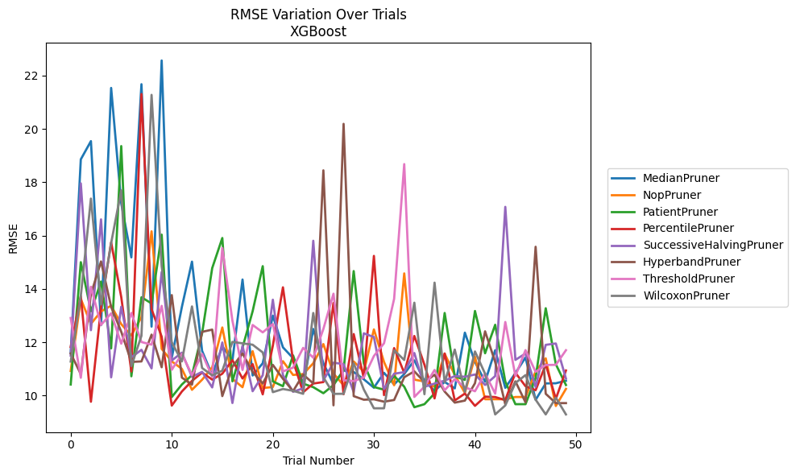
Trial | MedianPruner | NopPruner | PatientPruner | PercentilePruner | SuccessiveHalvingPruner | HyperbandPruner | ThresholdPruner | WilcoxonPruner
1 | 11.589098945 | 10.921187337 | 10.41437811 | 11.82374752 | 11.496470924 | 11.577824832 | 12.908432627 | 11.273631887
2 | 18.859734733 | 13.619179185 | 15.002383758 | 13.731509981 | 17.957171915 | 10.801967444 | 10.666260856 | 13.736855931
3 | 19.542356687 | 12.689176227 | 13.15726702 | 9.7675023306 | 12.451356165 | 13.80030753 | 14.079885074 | 17.387178532
4 | 12.639070939 | 13.155061664 | 14.275542419 | 13.297274202 | 16.607801533 | 15.029719299 | 12.646143009 | 13.412990895
5 | 21.537834401 | 13.370569844 | 11.769618659 | 15.749154812 | 10.683367838 | 13.323903705 | 13.082584086 | 15.717928391
6 | 17.214400597 | 12.678406786 | 19.356781015 | 13.694107482 | 13.330023351 | 12.392230248 | 11.946487191 | 17.697760794
7 | 15.181762621 | 12.254159048 | 10.72198889 | 10.900874258 | 11.434836237 | 11.260784822 | 13.097090083 | 11.104371226
8 | 21.677486094 | 12.939008226 | 13.685402848 | 21.30918412 | 11.714722202 | 11.279471478 | 12.006554457 | 12.241021271
9 | 12.585223758 | 16.158977212 | 13.455530024 | 13.240345959 | 11.017897647 | 12.284100885 | 11.908832266 | 21.27723744
10 | 22.567908717 | 11.750847648 | 16.034714882 | 12.207716234 | 14.633254134 | 11.061259485 | 13.362782909 | 14.853559167
11 | 11.41769985 | 11.28171231 | 9.943019999 | 9.6230684712 | 11.314624628 | 13.768025818 | 10.965662985 | 11.997241318
12 | 13.32383436 | 10.999852307 | 10.41437811 | 10.152049134 | 11.607597317 | 10.673850752 | 11.560193445 | 11.280716361
13 | 15.021962156 | 10.215348491 | 10.766587972 | 10.548364615 | 10.700490922 | 10.409467711 | 10.766360529 | 13.342189633
14 | 11.674669553 | 10.593105643 | 12.335352932 | 10.861395303 | 10.888563505 | 12.38863258 | 11.566227102 | 11.032504216
15 | 10.762472382 | 11.055248967 | 14.779621846 | 10.597955515 | 10.303985637 | 12.472117652 | 10.706209204 | 10.75692389
16 | 11.846624873 | 12.552590241 | 15.908371306 | 10.81912303 | 11.989452663 | 9.9788033987 | 15.534251721 | 10.934521918
17 | 11.312982387 | 10.62426953 | 10.533110565 | 11.327571758 | 9.7192994577 | 11.081423899 | 12.810111911 | 12.011933492
18 | 14.350464484 | 10.311741019 | 11.796451521 | 10.638379851 | 11.870075912 | 11.579328114 | 10.958621699 | 11.957642709
19 | 10.750379531 | 11.662458622 | 13.160639426 | 11.179342537 | 10.161372326 | 10.885657663 | 12.646568646 | 11.905957455
20 | 11.211274671 | 10.281005371 | 14.852671249 | 10.044636967 | 10.762286315 | 10.451684594 | 12.369040286 | 11.616283386
21 | 12.99589145 | 10.318945963 | 10.530413748 | 11.870595477 | 13.594010141 | 11.150060392 | 12.68384909 | 10.126607607
22 | 11.807499997 | 11.287899055 | 10.349722677 | 14.0588183 | 10.767258087 | 10.627566441 | 10.905486434 | 10.24440671
23 | 11.402509464 | 10.772388924 | 11.506385871 | 11.29356835 | 10.141782606 | 10.163166401 | 11.046613139 | 10.179263159
24 | 10.357592015 | 10.804777681 | 10.445637114 | 10.122555445 | 10.269397244 | 10.787773195 | 11.78727996 | 10.065539676
25 | 12.496283664 | 11.210436883 | 10.314095448 | 10.45029882 | 15.805255786 | 10.452447766 | 11.418752079 | 13.096765018
26 | 11.206754557 | 11.930255707 | 10.087049467 | 10.504638095 | 10.56765824 | 18.447432149 | 12.49542048 | 10.684092436
27 | 10.429778052 | 10.826236956 | 10.39072892 | 13.473218112 | 11.232991822 | 9.6329905428 | 13.820170682 | 10.062373335
28 | 10.938058075 | 10.384887739 | 10.94482895 | 10.049947191 | 11.177150271 | 20.190300789 | 10.575459742 | 10.065060646
29 | 10.881802901 | 11.277407286 | 14.668312853 | 12.305519447 | 10.128115255 | 9.9771939038 | 10.541650305 | 11.205646645
30 | 10.609928086 | 10.894903847 | 11.204968578 | 10.661993056 | 12.333546941 | 9.8428073922 | 10.677721385 | 10.226959363
31 | 10.293986326 | 12.478877463 | 10.319441272 | 15.237428982 | 12.192895399 | 9.8590869017 | 11.483546573 | 9.5214544277
32 | 10.852445866 | 11.258722745 | 10.220390738 | 10.015773664 | 10.241181359 | 9.7695892846 | 11.960345897 | 9.5214544277
33 | 10.416328168 | 10.385941976 | 10.73735284 | 11.778907099 | 10.818685702 | 9.8326386698 | 13.626755966 | 11.698484689
34 | 10.807398722 | 14.581538969 | 10.331792184 | 10.853230445 | 10.876157466 | 10.686687172 | 18.680653873 | 11.333153038
35 | 11.318436053 | 10.596274327 | 9.56142933 | 12.23298688 | 11.595542929 | 10.907417184 | 9.9470837996 | 13.482116787
36 | 10.546262696 | 10.528266777 | 9.675315546 | 11.157307339 | 10.325745221 | 10.504514277 | 10.334515757 | 10.050020567
37 | 10.181049083 | 10.327175401 | 10.079558832 | 9.892651526 | 10.448795421 | 10.778782247 | 10.958779654 | 14.234439869
38 | 10.508784205 | 11.566567946 | 13.096062335 | 11.578494935 | 10.55689463 | 10.148669376 | 10.197666888 | 10.497509412
39 | 10.26826538 | 10.771697569 | 10.723140619 | 9.8138372124 | 10.728990127 | 9.7341866413 | 10.61443338 | 11.723808501
40 | 12.358000345 | 10.098573227 | 10.586963622 | 10.073912494 | 10.704195572 | 9.8096297772 | 10.314964926 | 10.139717075
41 | 11.257867018 | 11.452590881 | 13.171833321 | 9.6130036102 | 10.789396306 | 10.461074245 | 10.160483331 | 11.651955271
42 | 10.520372812 | 9.8617704287 | 11.585497835 | 9.9575796102 | 10.396731748 | 12.408068789 | 10.829021674 | 10.817984991
43 | 11.699823382 | 9.8617704287 | 12.653699129 | 9.9432324256 | 10.730308426 | 11.255526841 | 10.072533075 | 9.2918412246
44 | 10.289493022 | 9.8617704287 | 10.525537856 | 9.8289564043 | 17.076673033 | 9.671536118 | 12.758075126 | 9.6294469813
45 | 10.841544101 | 9.9448486584 | 9.675315546 | 10.855577347 | 11.337188765 | 10.531938124 | 10.729578041 | 10.471099048
46 | 11.426823946 | 9.9448486584 | 9.675315546 | 10.349968233 | 11.57589821 | 9.7450643302 | 11.703811181 | 10.765705022
47 | 9.8387053769 | 10.906124929 | 10.659224716 | 10.198685527 | 10.323962304 | 15.579709923 | 10.888937091 | 9.8449558847
48 | 10.45476406 | 11.395796254 | 13.274445228 | 11.164865626 | 11.901235761 | 10.065267047 | 11.14521067 | 9.2918412246
49 | 10.459730288 | 9.6063703305 | 11.173017281 | 9.875604597 | 11.951828052 | 9.715456384 | 11.15082196 | 9.9194437847
50 | 10.555764655 | 10.248352028 | 10.395638084 | 10.939446648 | 10.638459302 | 9.715456384 | 11.699451143 | 9.2918412246

RMSE_Trials_LightGBM
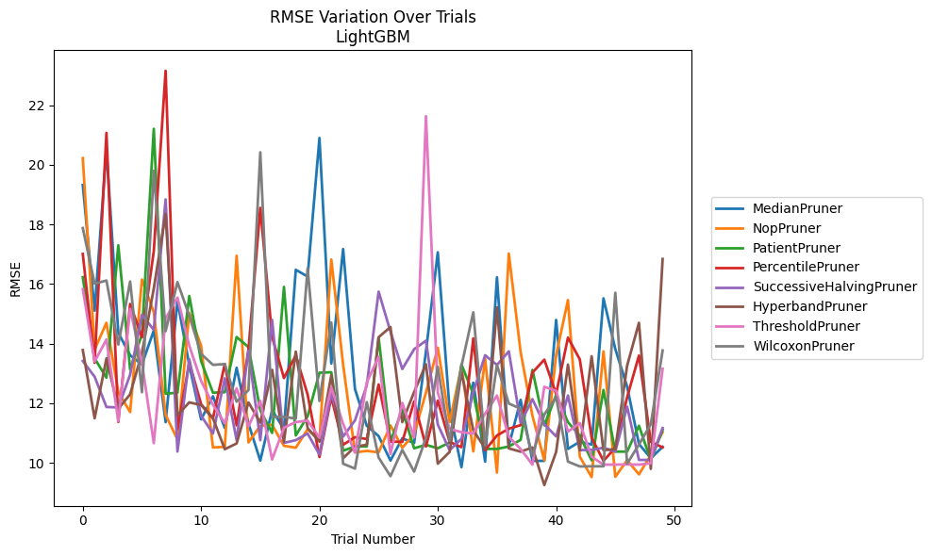
Trial | MedianPruner | NopPruner | PatientPruner | PercentilePruner | SuccessiveHalvingPruner | HyperbandPruner | ThresholdPruner | WilcoxonPruner
1 | 19.319401462 | 20.221157059 | 16.227058266 | 17.006879587 | 13.41421846 | 13.782978807 | 15.829891149 | 17.875278973
2 | 15.103191785 | 13.799830611 | 13.502865781 | 13.354964655 | 12.888972604 | 11.494480173 | 13.39738028 | 16.008274807
3 | 20.521181122 | 14.697052215 | 12.856842319 | 21.068081626 | 11.871901743 | 13.502377527 | 14.135890612 | 16.114634962
4 | 14.364763308 | 12.378150814 | 17.296071997 | 11.370575047 | 11.85729299 | 11.812369247 | 11.397595582 | 13.96866514
5 | 13.607114457 | 11.702641379 | 13.130182591 | 15.328018663 | 12.955423316 | 12.298822079 | 15.164351201 | 16.082597005
6 | 13.298885791 | 16.147716075 | 14.311546213 | 14.20976474 | 14.964824711 | 13.688383123 | 13.358758241 | 12.367891941
7 | 14.437004714 | 15.056000974 | 21.203953921 | 17.099992036 | 14.459415913 | 15.845987908 | 10.657485884 | 19.796564976
8 | 11.363067506 | 11.606918107 | 12.318546396 | 23.150457205 | 18.83549575 | 18.344626073 | 14.843466661 | 14.41593459
9 | 15.426693507 | 10.783367497 | 12.352021591 | 11.125352258 | 10.377060715 | 11.601053068 | 15.543358225 | 16.062928836
10 | 13.275531375 | 15.023437333 | 15.59651522 | 13.366621727 | 13.471631173 | 12.027019617 | 13.925887836 | 14.932953938
11 | 11.454228465 | 13.926483695 | 13.407473852 | 11.965841903 | 11.58019482 | 11.938182718 | 12.744568217 | 13.653009619
12 | 12.232734868 | 10.514272294 | 12.352021591 | 11.490846152 | 10.982668454 | 11.494480173 | 11.946929284 | 13.285836098
13 | 11.166384419 | 10.536182334 | 12.368543226 | 13.31581936 | 12.835557918 | 10.455404396 | 11.326735858 | 13.310652972
14 | 13.187840512 | 16.945602132 | 14.22037803 | 11.255551627 | 10.758094028 | 10.648903066 | 12.499915456 | 12.048962909
15 | 11.315055801 | 10.684096443 | 13.881453907 | 13.791617571 | 13.759456785 | 12.025477892 | 11.223303916 | 12.43747219
16 | 10.073034066 | 11.240704154 | 11.764397656 | 18.552892489 | 10.758094028 | 11.350102962 | 12.075122703 | 20.415990637
17 | 11.763303896 | 11.272747351 | 11.002577041 | 14.225175 | 14.793083415 | 13.117756406 | 10.111876231 | 11.544417839
18 | 11.135868826 | 10.570274945 | 15.901124848 | 12.84299728 | 10.668637876 | 10.71287415 | 11.176668351 | 11.544417839
19 | 16.474695849 | 10.505782413 | 10.917895887 | 13.604386276 | 10.758986078 | 13.7310754 | 11.366670222 | 11.4818219
20 | 16.248998455 | 11.125462132 | 11.560712976 | 12.288750016 | 10.983936133 | 11.162277915 | 11.414845826 | 16.524285244
21 | 20.896090944 | 10.767401577 | 13.02237257 | 10.19375367 | 10.275056876 | 10.709857655 | 10.843997732 | 12.074296865
22 | 13.327360654 | 16.819548573 | 13.037553451 | 12.206271535 | 12.343951849 | 12.940026707 | 12.529647101 | 14.703922405
23 | 17.170957081 | 13.29142242 | 10.405718613 | 10.604539727 | 10.877760168 | 10.153369548 | 11.307452682 | 9.9688193682
24 | 12.473609202 | 10.350795531 | 10.547862069 | 10.859107489 | 11.421652559 | 10.542006981 | 10.345556893 | 9.8069484474
25 | 11.24114102 | 10.399382897 | 10.547862069 | 10.797731515 | 12.600628756 | 10.605826324 | 12.698150564 | 12.03680013
26 | 10.896283624 | 10.350795531 | 14.204493887 | 12.628066727 | 15.742023817 | 14.213264121 | 13.557141491 | 10.176844922
27 | 10.076236274 | 11.252147507 | 10.713599209 | 10.712109689 | 14.401851144 | 14.554428469 | 10.295736086 | 9.5514301307
28 | 10.821599179 | 10.506131378 | 11.789488363 | 10.701901065 | 13.146602581 | 11.366301495 | 12.007570585 | 10.432233036
29 | 10.664260514 | 10.959873296 | 10.487045915 | 12.059498835 | 13.809853108 | 12.374601814 | 10.854251181 | 9.7025778976
30 | 13.738597984 | 12.359678513 | 10.603335079 | 10.546543174 | 14.09734948 | 13.303137242 | 21.6280397 | 10.838060039
31 | 17.061479112 | 13.861462732 | 10.487045915 | 12.086191331 | 11.282626455 | 9.970997207 | 12.354112796 | 13.215748145
32 | 11.754739493 | 11.366720578 | 10.682345866 | 10.701901065 | 10.424918882 | 10.366118914 | 11.140117189 | 10.737683274
33 | 9.8524535825 | 13.230087187 | 13.298885791 | 10.523236785 | 10.803366468 | 13.050370301 | 11.026822109 | 13.248567585
34 | 12.687884086 | 10.381893809 | 12.312719892 | 14.174400322 | 12.364226828 | 11.090379093 | 10.982413914 | 15.048689941
35 | 10.038894485 | 13.495492915 | 10.46451443 | 10.421286202 | 13.608244288 | 10.485740921 | 11.649204538 | 10.584922393
36 | 16.22260745 | 9.6711789624 | 10.46577832 | 10.916263786 | 13.282496727 | 15.216630435 | 12.255923811 | 13.282496727
37 | 10.562197905 | 17.019466819 | 10.545516468 | 11.143497133 | 13.739785546 | 10.484410055 | 10.87870809 | 11.990478098
38 | 12.111758319 | 13.716189318 | 10.768767108 | 11.263257257 | 11.3413782 | 10.37285073 | 10.461195463 | 11.812800264
39 | 10.065208682 | 11.573930173 | 13.114985902 | 13.026749144 | 12.135080123 | 10.515508551 | 9.9393265512 | 10.234177572
40 | 10.065208682 | 10.086186968 | 11.256422043 | 13.46160978 | 11.290184574 | 9.253045935 | 12.549110144 | 11.62122446
41 | 14.792555877 | 13.610252531 | 12.272116742 | 12.312208509 | 10.886623768 | 10.364700592 | 12.415706099 | 12.201788764
42 | 10.466274475 | 15.459888816 | 11.362967904 | 14.200085178 | 12.258928968 | 13.293834626 | 11.046917928 | 10.040900332
43 | 10.708421093 | 10.205044232 | 10.909856022 | 13.471364888 | 10.424918882 | 10.418773396 | 11.332254667 | 9.8777354327
44 | 10.612647098 | 9.5197274572 | 10.081798817 | 10.839817677 | 10.434344012 | 13.573693607 | 10.204769101 | 9.8831083801
45 | 15.517805033 | 13.738151663 | 12.442940005 | 10.065032859 | 10.504833704 | 10.42144866 | 9.9393265512 | 9.8831083801
46 | 13.81635377 | 9.5303480519 | 10.376093525 | 10.506794405 | 10.375848365 | 10.460966002 | 9.9393265512 | 15.704436434
47 | 12.555050977 | 10.087530701 | 10.376093525 | 12.199617428 | 11.884851273 | 13.259910148 | 9.9454577619 | 9.9709673924
48 | 10.632144231 | 9.6122444398 | 11.244581907 | 13.599134637 | 10.096495155 | 14.696066057 | 9.9393265512 | 10.614136831
49 | 10.152495456 | 10.26370447 | 10.081798817 | 10.698657146 | 10.096495155 | 9.7967207386 | 9.9833503106 | 11.293251719
50 | 10.535185424 | 11.029241925 | 11.107215079 | 10.517706861 | 11.166787108 | 16.838795555 | 13.155533255 | 13.76652505

RMSE_Trials_GPBoost
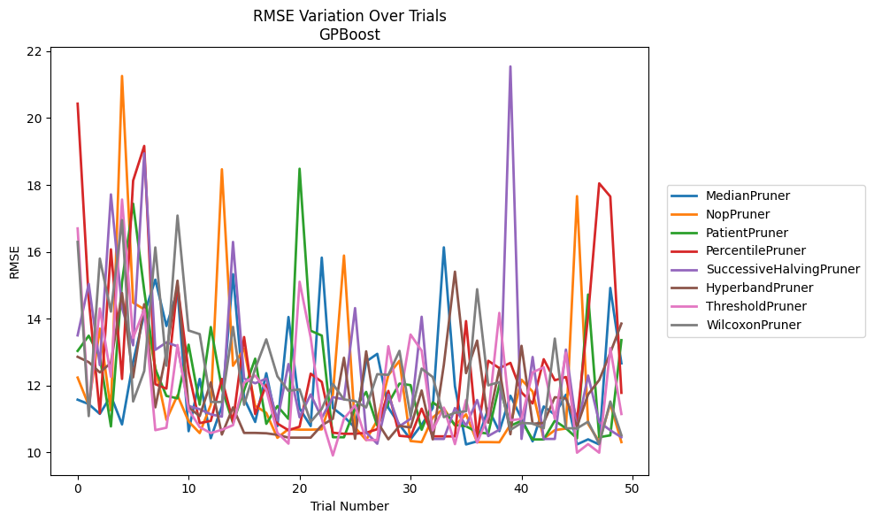
Trial | MedianPruner | NopPruner | PatientPruner | PercentilePruner | SuccessiveHalvingPruner | HyperbandPruner | ThresholdPruner | WilcoxonPruner
1 | 11.574578774 | 12.235197857 | 13.032299247 | 20.431919788 | 13.499218528 | 12.856806714 | 16.698327994 | 16.294090383
2 | 11.44211261 | 11.40740457 | 13.488531128 | 14.588826712 | 15.040157925 | 12.696930655 | 11.250776048 | 11.082632686
3 | 11.148545487 | 13.700471585 | 12.860425553 | 11.167827146 | 12.609728383 | 12.389938254 | 14.302251482 | 15.795759994
4 | 11.69046369 | 11.251297109 | 10.773845781 | 16.071893725 | 17.715812046 | 12.6757745 | 12.256096295 | 14.20969772
5 | 10.834042688 | 21.259530009 | 15.096499978 | 12.195456317 | 14.324379336 | 14.765521479 | 17.5625485 | 16.951143819
6 | 12.704122063 | 14.475414738 | 17.43873064 | 18.128364595 | 13.200639882 | 12.240589378 | 13.422242279 | 11.520266345
7 | 14.132023804 | 14.279407535 | 14.842568592 | 19.166005058 | 18.94502657 | 14.43206063 | 14.275718595 | 12.430194935
8 | 15.165988388 | 12.532247182 | 12.489365394 | 12.037562257 | 13.065136926 | 11.344480887 | 10.662432845 | 16.12942713
9 | 13.778141717 | 10.973014924 | 11.686378661 | 11.904998562 | 13.287290444 | 12.984652221 | 10.735542215 | 12.590788337
10 | 14.835997107 | 11.705846561 | 11.614296607 | 15.006705629 | 13.17105648 | 15.135006384 | 13.209875982 | 17.083547014
11 | 10.63104919 | 10.923563466 | 13.21992276 | 12.405449133 | 11.385359129 | 11.344480887 | 11.273720763 | 13.644112006
12 | 12.194259766 | 10.574661146 | 11.423741606 | 10.87296271 | 11.289911162 | 11.082071177 | 10.753602984 | 13.535310586
13 | 10.421428092 | 11.422727454 | 13.746979798 | 10.93956194 | 11.135558795 | 12.093464183 | 10.574293265 | 11.505697367
14 | 11.376999368 | 18.468492161 | 11.904513729 | 12.195672656 | 11.066726313 | 10.53161988 | 10.674387628 | 11.505697367
15 | 15.329501856 | 12.588799756 | 10.8804221 | 10.910806795 | 16.294035004 | 11.343078281 | 10.811095519 | 13.751983707
16 | 11.613098357 | 13.095262355 | 11.850881729 | 13.448221896 | 12.207273997 | 10.579330543 | 12.082319333 | 11.420942768
17 | 10.907755394 | 11.393374976 | 12.801124006 | 11.144477586 | 12.065343648 | 10.579330543 | 12.295967747 | 12.500635397
18 | 12.366487694 | 11.178103827 | 10.850609368 | 12.02626642 | 12.202839702 | 10.56830497 | 11.867960525 | 13.379629243
19 | 10.784503452 | 10.432875803 | 11.382330318 | 10.860104957 | 10.95309283 | 10.522403104 | 10.584273487 | 12.273792431
20 | 14.048391853 | 10.695352361 | 10.999698406 | 10.659897767 | 12.640609817 | 10.437902049 | 10.258026572 | 11.838245271
21 | 11.312927677 | 10.676742413 | 18.484300884 | 10.766211157 | 11.047836006 | 10.437902049 | 15.103852799 | 11.881946265
22 | 10.784503452 | 10.676742413 | 13.637786874 | 12.351244277 | 11.731490663 | 10.437902049 | 13.433746096 | 10.908093241
23 | 15.824622912 | 10.686112251 | 13.491892987 | 12.105191881 | 11.029278104 | 10.806301393 | 11.003124515 | 11.300702204
24 | 11.325109276 | 11.729985306 | 10.451547488 | 10.584273487 | 11.648878976 | 11.003217648 | 9.9062075521 | 12.043501
25 | 11.067071729 | 15.886526698 | 10.449002997 | 10.553692182 | 11.58572447 | 12.828078661 | 11.005477945 | 11.58215253
26 | 10.733876504 | 10.739254914 | 11.321472705 | 10.553692182 | 14.314401917 | 10.405059587 | 11.402487243 | 11.534023107
27 | 12.714311207 | 10.36667641 | 11.805969963 | 10.584273487 | 10.594368027 | 13.021276851 | 10.367764332 | 11.341320906
28 | 12.945931085 | 10.959708114 | 10.800662967 | 10.691201931 | 10.255386679 | 10.911548672 | 10.367764332 | 12.33702996
29 | 11.330910526 | 12.308692924 | 11.468365924 | 11.836048549 | 11.725079686 | 10.387715442 | 13.173110037 | 12.316100045
30 | 10.827380811 | 12.737507976 | 12.054259174 | 10.493171124 | 10.77871623 | 10.788877544 | 11.53141834 | 13.034257141
31 | 10.38722273 | 10.336792666 | 12.010264755 | 10.463626325 | 11.001504835 | 10.743042932 | 13.522836177 | 11.082632686
32 | 10.826352248 | 10.304430263 | 10.673117165 | 11.306017114 | 14.055397519 | 11.849201591 | 13.039327638 | 12.504696582
33 | 11.322687005 | 11.03850335 | 11.494145794 | 10.476206504 | 10.399346787 | 10.387715442 | 10.661205211 | 12.250764631
34 | 16.131491146 | 11.313699723 | 11.255562118 | 10.476206504 | 10.399346787 | 12.618098665 | 11.339193689 | 11.051419989
35 | 11.975146144 | 10.798356779 | 10.815638217 | 10.476206504 | 11.323095072 | 15.404588492 | 10.244285039 | 11.182161677
36 | 10.234936391 | 11.137296798 | 10.779152062 | 13.925498152 | 10.796178652 | 12.367566936 | 11.564594045 | 11.229113281
37 | 10.326963496 | 10.304430263 | 10.601886961 | 10.452448701 | 11.565320649 | 13.342556182 | 10.287967603 | 14.879125464
38 | 11.307189028 | 10.304430263 | 10.558521319 | 12.738638548 | 10.486336664 | 10.884885821 | 11.090259959 | 12.003822734
39 | 10.630830825 | 10.299565597 | 12.01868996 | 12.517801484 | 10.675586228 | 12.496776281 | 14.17074062 | 12.100355568
40 | 11.691346406 | 10.824857271 | 10.792098373 | 12.675015139 | 21.545126944 | 10.539825277 | 10.956656212 | 10.669965176
41 | 11.007075548 | 12.171787301 | 10.943569893 | 11.790467156 | 10.399346787 | 13.185859907 | 10.99924095 | 10.8804221
42 | 10.326963496 | 11.815563376 | 10.384464856 | 11.460364818 | 12.85122273 | 10.852760965 | 12.391096389 | 10.860678561
43 | 11.370043674 | 10.408285576 | 10.384464856 | 12.784714589 | 10.399346787 | 10.878533222 | 12.544925468 | 10.717251625
44 | 11.126648284 | 10.662720059 | 10.944187537 | 12.154427167 | 10.399346787 | 11.64663179 | 11.001487202 | 13.402533738
45 | 11.723399814 | 10.70968122 | 10.720723851 | 12.25332687 | 13.073123515 | 11.611672232 | 12.981025708 | 10.717251625
46 | 10.234936391 | 17.663777945 | 10.416569618 | 10.950671152 | 10.691101473 | 10.774745904 | 9.9874653616 | 10.717251625
47 | 10.38722273 | 10.847509033 | 14.720360094 | 14.08422211 | 12.295312069 | 11.730805123 | 10.244285039 | 10.914666892
48 | 10.234936391 | 10.317327075 | 10.451547488 | 18.046950881 | 10.902232416 | 12.161142096 | 9.9874653616 | 10.247258628
49 | 14.91778455 | 11.456191974 | 10.506283459 | 17.652800928 | 10.659079055 | 12.974925861 | 13.119157721 | 11.51911403
50 | 12.661432732 | 10.304430263 | 13.355151167 | 11.78010602 | 10.450749509 | 13.851124202 | 11.145380197 | 10.511576041

RMSE_Trials_CatBoost
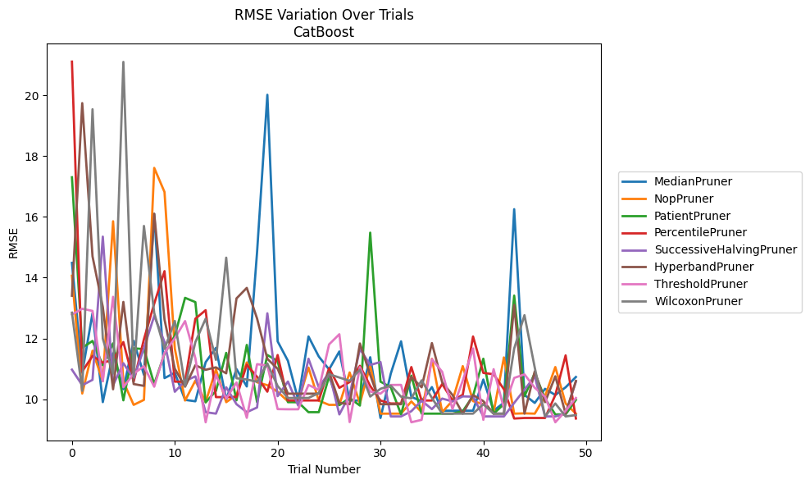
Trial | MedianPruner | NopPruner | PatientPruner | PercentilePruner | SuccessiveHalvingPruner | HyperbandPruner | ThresholdPruner | WilcoxonPruner
1 | 14.48771194 | 14.064010282 | 17.306588557 | 21.114500097 | 10.971906084 | 13.404364049 | 12.786978521 | 12.848032884
2 | 10.865600794 | 10.185908643 | 11.693212608 | 10.911208701 | 10.459791309 | 19.747686358 | 12.976086531 | 10.275137553
3 | 12.831041373 | 11.593820333 | 11.916436032 | 11.423394078 | 10.635426581 | 14.701455936 | 12.905874836 | 19.546615009
4 | 9.9024601682 | 10.59598288 | 11.118793168 | 11.20277946 | 15.351882125 | 13.035182266 | 10.586995995 | 11.994412174
5 | 11.509793923 | 15.857565216 | 11.837548579 | 11.288613097 | 10.459791309 | 10.325917942 | 13.369519625 | 10.840390135
6 | 10.327267419 | 10.580181271 | 9.9615030253 | 11.880950005 | 11.183651022 | 13.20191525 | 10.39173674 | 21.105397891
7 | 11.91816503 | 9.8121113701 | 11.67598444 | 10.575777138 | 10.673686744 | 10.497611683 | 10.840390135 | 10.721262002
8 | 10.799500923 | 9.9762554624 | 11.646459321 | 11.973215093 | 11.67598444 | 10.437339747 | 11.083282245 | 15.70352349
9 | 16.10074372 | 17.613849879 | 10.497548208 | 13.145763026 | 12.741477643 | 16.103559238 | 10.409577595 | 12.838192667
10 | 10.692920191 | 16.820583565 | 11.497819422 | 14.215766407 | 11.883365303 | 12.620099494 | 11.530496901 | 11.6524845
11 | 10.868859462 | 11.665939555 | 12.088150585 | 10.575777138 | 10.242872799 | 11.002581085 | 12.004214584 | 12.574431721
12 | 9.9762554624 | 9.9550378609 | 13.336308975 | 10.575777138 | 10.601873248 | 10.409577595 | 12.571404874 | 10.432347992
13 | 9.9295767816 | 10.609092501 | 13.195602533 | 12.649635895 | 10.749443433 | 11.116457621 | 11.348950712 | 11.87978013
14 | 11.216987834 | 9.9010783597 | 9.8945276249 | 12.929045447 | 9.5710305343 | 10.965763862 | 9.2390913966 | 12.649635895
15 | 11.68990814 | 10.984450485 | 10.27034024 | 10.067310594 | 9.5228867035 | 11.048226746 | 10.804853933 | 11.29338919
16 | 9.9860018857 | 9.9010783597 | 11.523957532 | 10.067310594 | 10.39173674 | 10.849650914 | 10.01871227 | 14.659431782
17 | 10.990573421 | 10.138917884 | 9.9615030253 | 10.067310594 | 9.8337535627 | 13.317450847 | 10.550043381 | 10.687645044
18 | 10.417810644 | 11.209511915 | 11.785848139 | 11.136874706 | 9.5710305343 | 13.66362594 | 9.3851310594 | 10.648271229
19 | 14.844250633 | 10.555569227 | 9.9010783597 | 10.732507489 | 9.7256098214 | 12.654870585 | 11.152056885 | 10.571798093
20 | 20.02166679 | 10.459791309 | 11.453794276 | 10.246084411 | 12.826931165 | 11.327971875 | 11.107484967 | 11.174387745
21 | 11.902431199 | 10.241923795 | 11.254170069 | 11.453003333 | 10.097445508 | 11.000790142 | 9.6723589002 | 10.432347992
22 | 11.262985845 | 9.9295767816 | 9.9010783597 | 9.9570817487 | 10.580181271 | 10.180561319 | 9.6665552305 | 10.038915991
23 | 9.9762554624 | 9.9010783597 | 9.9010783597 | 9.9570817487 | 9.7889173616 | 10.180561319 | 9.6665552305 | 10.038915991
24 | 12.063575137 | 11.038638665 | 9.5710305343 | 9.9570817487 | 11.331202807 | 10.180561319 | 10.469206359 | 10.038915991
25 | 11.403287116 | 9.9501389362 | 9.5710305343 | 9.9570817487 | 10.391339082 | 10.180561319 | 10.305574347 | 10.202156822
26 | 10.978915822 | 9.8121113701 | 10.745736894 | 11.018856138 | 10.873611276 | 10.900370327 | 11.80365403 | 10.820845892
27 | 11.570929332 | 9.8133497996 | 9.8026645691 | 10.373083532 | 9.496576894 | 9.8772465185 | 12.137578338 | 10.712314999
28 | 9.9549318787 | 10.879259361 | 10.038915991 | 10.563598073 | 10.142326923 | 9.8337535627 | 9.2456868111 | 10.601873248
29 | 9.9549318787 | 9.8558444351 | 9.7889173616 | 11.099024039 | 11.6524845 | 11.832962817 | 11.05470061 | 10.971906084
30 | 11.380150097 | 11.107484967 | 15.48214768 | 10.435509089 | 11.125523428 | 10.799500923 | 10.250155691 | 10.084875933
31 | 9.3802932156 | 9.5228867035 | 10.576477812 | 9.9550378609 | 11.223510416 | 9.8337535627 | 10.180882443 | 10.341198205
32 | 10.840594124 | 9.5228867035 | 10.39173674 | 9.8578619462 | 9.4314251994 | 9.8337535627 | 10.467186663 | 10.445851415
33 | 11.903137026 | 9.5228867035 | 9.496576894 | 9.8578619462 | 9.4314251994 | 9.8337535627 | 10.470280017 | 10.081232142
34 | 10.076503714 | 9.9247933458 | 10.772553504 | 11.056878919 | 9.6030186711 | 10.731139314 | 9.2390913966 | 10.026048602
35 | 9.9295767816 | 9.5710305343 | 9.5228867035 | 9.9550378609 | 9.9483343137 | 10.389632169 | 9.3188709535 | 10.619940706
36 | 10.396988156 | 11.331202807 | 9.5228867035 | 9.9550378609 | 9.6723589002 | 11.846089716 | 11.319714333 | 10.038915991
37 | 9.6205873526 | 9.5710305343 | 9.5228867035 | 10.497611683 | 10.019478142 | 10.555569227 | 10.900012929 | 9.5228867035
38 | 9.6205873526 | 9.9483343137 | 9.5228867035 | 9.9550378609 | 9.9247933458 | 10.137327527 | 9.6743208782 | 9.5228867035
39 | 9.6205873526 | 11.087672018 | 9.6030186711 | 10.143578428 | 10.09133105 | 9.5228867035 | 10.609092501 | 9.5228867035
40 | 9.6205873526 | 9.9345774566 | 10.104108444 | 12.063575137 | 10.081232142 | 10.134871175 | 11.669105044 | 9.5228867035
41 | 10.646775558 | 9.8337535627 | 11.331202807 | 10.863782396 | 9.4314251994 | 9.9345774566 | 9.3188709535 | 9.8337535627
42 | 9.6205873526 | 9.5710305343 | 9.5228867035 | 10.820523826 | 9.4314251994 | 9.5228867035 | 10.986479618 | 9.5228867035
43 | 9.8835048111 | 11.374037368 | 9.8337535627 | 10.327267419 | 9.4314251994 | 9.5228867035 | 9.6971797992 | 9.5228867035
44 | 16.25547342 | 9.5228867035 | 13.409668151 | 9.3624305052 | 9.8772465185 | 13.102235091 | 10.698695564 | 11.665939555
45 | 10.140535176 | 9.532827693 | 10.097445508 | 9.3802932156 | 10.309978859 | 9.5228867035 | 10.815976137 | 12.764819718
46 | 9.8759185698 | 9.5228867035 | 10.856308983 | 9.3802932156 | 10.752573859 | 10.916549259 | 10.375640275 | 11.038638665
47 | 10.341198205 | 10.097445508 | 10.019478142 | 9.3802932156 | 9.4314251994 | 9.9010783597 | 10.081232142 | 9.4314251994
48 | 10.137327527 | 11.056878919 | 9.496576894 | 10.134871175 | 9.4314251994 | 10.752573859 | 9.2390913966 | 9.8578619462
49 | 10.389330278 | 9.8578619462 | 9.496576894 | 11.440893944 | 9.5228867035 | 9.5228867035 | 9.6150802875 | 9.4314251994
50 | 10.729614168 | 9.5228867035 | 9.97584652 | 9.3624305052 | 10.575829083 | 10.600195389 | 10.038915991 | 9.4757341918

RMSE_Trials_NGBoost
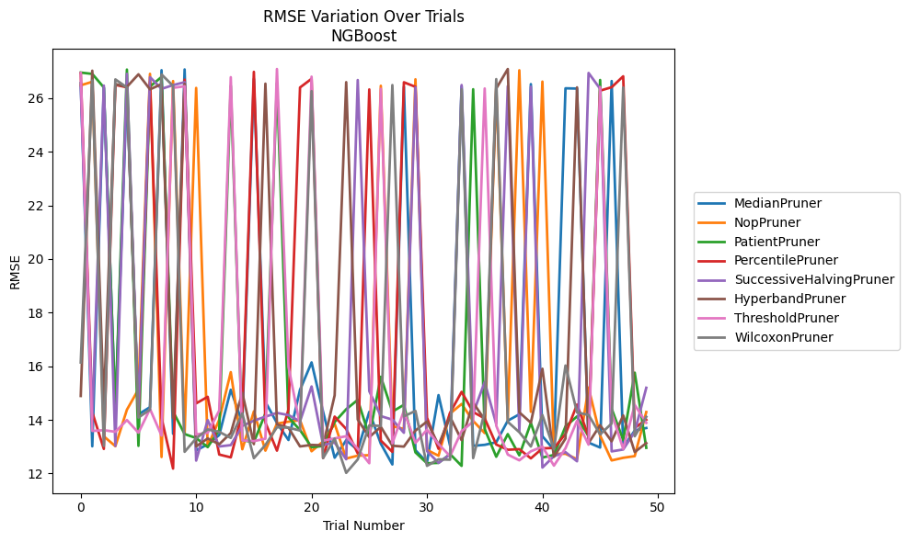
Trial | MedianPruner | NopPruner | PatientPruner | PercentilePruner | SuccessiveHalvingPruner | HyperbandPruner | ThresholdPruner | WilcoxonPruner
1 | 26.561057292 | 26.480693219 | 26.956059688 | 26.92957961 | 26.454788176 | 14.893108172 | 26.939634087 | 16.141311072
2 | 13.014325716 | 26.612396065 | 26.90589532 | 14.28509183 | 14.065467359 | 27.025795949 | 13.587467621 | 26.661717215
3 | 26.381840449 | 13.386266586 | 26.401560946 | 12.918113403 | 26.471965327 | 14.513425195 | 13.615389222 | 13.031084489
4 | 14.323405497 | 13.018904745 | 14.3380458 | 26.496858245 | 13.03215315 | 26.52787989 | 13.556011946 | 26.701243838
5 | 26.298391088 | 14.379931501 | 27.067283736 | 26.407063366 | 26.908593358 | 26.423639672 | 13.994162911 | 26.402044119
6 | 14.208627503 | 15.13885603 | 13.031799321 | 14.143461997 | 14.275942231 | 26.890667425 | 13.52238596 | 14.085986728
7 | 14.474499799 | 26.908630073 | 26.435188777 | 26.612394838 | 26.786504048 | 26.330458598 | 14.407127217 | 14.38428951
8 | 27.0439347 | 12.61567674 | 26.791228558 | 14.076173297 | 26.348096364 | 26.523409753 | 13.414009357 | 26.887209779
9 | 13.480640159 | 26.638975418 | 14.311964421 | 12.183791127 | 26.489196602 | 14.070414553 | 26.38587265 | 26.4597898
10 | 27.072267407 | 13.491400804 | 13.471565038 | 26.692645631 | 26.595417556 | 26.537950938 | 26.445280198 | 12.80886811
11 | 12.857613827 | 26.382701411 | 13.323500838 | 14.616165895 | 12.481849806 | 13.012202892 | 13.45602159 | 13.311425211
12 | 13.08979787 | 13.006404877 | 12.984824656 | 14.860875757 | 13.993116162 | 13.306983198 | 13.518410611 | 13.644429
13 | 13.43519025 | 14.008802075 | 13.622916044 | 12.706863051 | 13.008201366 | 13.091498273 | 14.349984856 | 13.55310616
14 | 15.123596774 | 15.781157701 | 26.456961019 | 12.601742081 | 13.059671719 | 13.508223814 | 26.783213442 | 13.327503926
15 | 13.88774946 | 12.904897789 | 13.243891351 | 14.282838406 | 13.775364239 | 15.006511212 | 13.235231299 | 14.244118192
16 | 26.71980662 | 14.316342907 | 13.168512229 | 26.98297963 | 13.969746272 | 13.096670056 | 13.207899729 | 12.571571284
17 | 14.670260445 | 12.852039973 | 14.246513503 | 13.899912606 | 14.120979909 | 26.54276258 | 13.298678837 | 13.06268867
18 | 13.887447692 | 13.86148865 | 26.567337449 | 12.853544881 | 14.260889187 | 13.834570978 | 27.088975929 | 13.726073316
19 | 13.249609131 | 13.933780464 | 14.094754901 | 14.396240106 | 14.179417924 | 13.705448739 | 15.9787948 | 13.712411311
20 | 15.12265623 | 13.988964014 | 13.620865412 | 26.400084317 | 13.946432209 | 13.010206587 | 13.789955306 | 13.60193143
21 | 16.143282994 | 12.830088549 | 12.981293213 | 26.724370665 | 15.246467899 | 13.066819283 | 26.802678313 | 26.263399672
22 | 14.300834952 | 13.196055954 | 13.026507947 | 12.57931683 | 13.069111626 | 13.050874283 | 13.222707415 | 12.576101833
23 | 12.589140941 | 13.853256639 | 13.92211897 | 14.122277023 | 13.153717048 | 14.916674196 | 13.310432495 | 13.30208137
24 | 13.241307165 | 12.558499103 | 14.3968507 | 13.660361112 | 12.531464975 | 26.597988737 | 13.391488446 | 12.024066555
25 | 12.874248838 | 12.664981712 | 14.746790955 | 12.748439831 | 26.677387887 | 14.014327863 | 12.92306672 | 12.525989221
26 | 14.29854895 | 12.684830039 | 13.385070178 | 26.327195499 | 15.07292517 | 13.356581612 | 12.382782462 | 13.794721554
27 | 13.111446951 | 26.463333458 | 15.609374952 | 13.228957384 | 14.141142275 | 13.741503499 | 26.349945215 | 13.77568972
28 | 12.338289681 | 13.763939129 | 14.307134214 | 12.807121287 | 14.00961227 | 13.035120319 | 13.127592226 | 26.489729851
29 | 26.420856637 | 13.660858024 | 14.562964013 | 26.593722203 | 13.519563009 | 13.004140314 | 14.341324476 | 14.133971704
30 | 12.870253415 | 26.704994118 | 12.78654257 | 26.424130638 | 26.402468887 | 13.603269771 | 13.140247841 | 14.334004987
31 | 12.414472875 | 12.880321567 | 12.381929418 | 14.083288965 | 12.83862153 | 13.938506689 | 13.633091381 | 12.285695143
32 | 14.924779614 | 12.663517376 | 12.395822399 | 12.920892691 | 12.397635442 | 13.061039238 | 13.097848388 | 12.529850248
33 | 13.037262616 | 14.233782668 | 12.725023691 | 14.266782344 | 12.71278443 | 14.11012277 | 12.647282287 | 12.514985699
34 | 26.439121745 | 14.59388038 | 12.284643802 | 15.045496624 | 26.490893642 | 13.243226151 | 13.580723303 | 26.328530521
35 | 13.032350272 | 13.962701011 | 26.333855947 | 14.292756685 | 14.242868396 | 14.641330073 | 13.937477944 | 12.574589442
36 | 13.069971 | 13.507262875 | 13.657503376 | 14.055376134 | 15.411430769 | 14.008224882 | 26.362042386 | 14.302925797
37 | 13.165743759 | 26.400803674 | 12.625217504 | 13.081039646 | 13.848147393 | 26.362005595 | 13.784635611 | 26.71143551
38 | 13.970609284 | 14.006208817 | 13.469795662 | 12.886584904 | 26.45117591 | 27.087566071 | 12.706742854 | 13.92703808
39 | 14.207649279 | 27.041981701 | 12.676730385 | 12.907514699 | 13.57161149 | 14.281974365 | 12.491595563 | 13.541075441
40 | 26.524878009 | 14.302865004 | 13.886063145 | 12.565374609 | 26.425648412 | 13.89545323 | 12.828365261 | 13.006733833
41 | 13.392045367 | 26.619283914 | 12.595610936 | 12.93817265 | 12.221923164 | 15.907867294 | 13.002256723 | 14.179505437
42 | 12.884775696 | 12.735474154 | 12.692391175 | 12.952774474 | 12.645308427 | 12.623537365 | 12.294163967 | 12.906123624
43 | 26.369336603 | 12.735570595 | 13.755907413 | 13.47124984 | 12.796486868 | 13.302732119 | 12.941746038 | 16.028353217
44 | 26.358494784 | 12.53494259 | 14.129061162 | 14.572111863 | 12.456058739 | 26.404718207 | 13.965983657 | 14.279667685
45 | 13.152759546 | 15.205833591 | 13.384252394 | 13.386456642 | 26.940466946 | 13.137083537 | 13.076590421 | 14.183528823
46 | 12.96889623 | 13.416061338 | 26.679555999 | 26.280618105 | 26.352599531 | 13.801322686 | 26.417860107 | 13.460111774
47 | 26.640234018 | 12.48825285 | 14.418597138 | 26.409752326 | 12.82560337 | 13.201186122 | 14.254685716 | 13.865040727
48 | 12.973031248 | 12.58593153 | 13.252268904 | 26.817047948 | 12.895135986 | 14.167178162 | 12.919562216 | 26.400369933
49 | 13.602303236 | 12.648737953 | 15.761133544 | 13.70426093 | 13.553941073 | 12.800079185 | 14.559246253 | 13.390289783
50 | 13.697411121 | 14.292661868 | 12.958691984 | 14.003634206 | 15.197821431 | 13.133616292 | 13.889960852 | 14.114981954

RMSE_Trials_TabNet
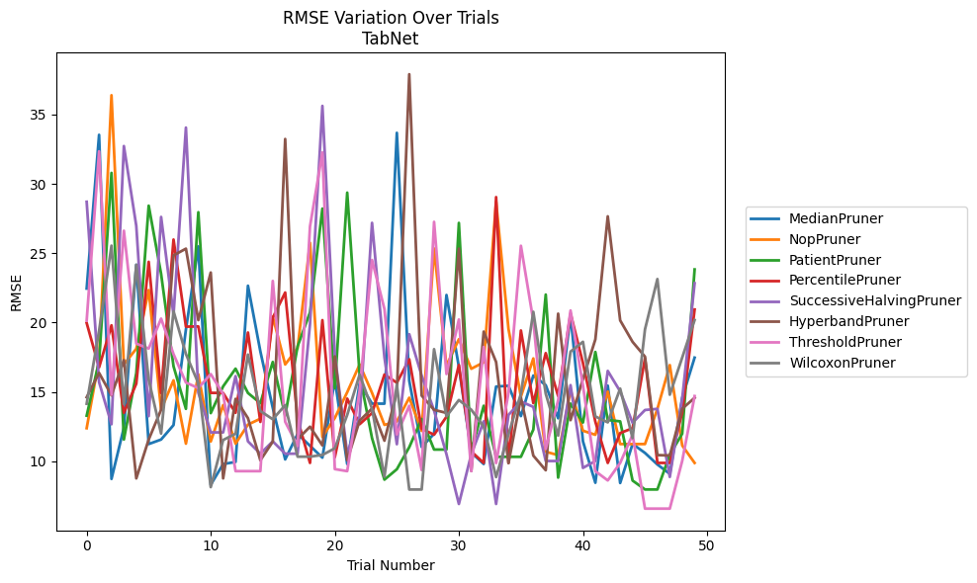
Trial | MedianPruner | NopPruner | PatientPruner | PercentilePruner | SuccessiveHalvingPruner | HyperbandPruner | ThresholdPruner | WilcoxonPruner
1 | 22.453610534 | 12.381749686 | 13.285617094 | 19.965554171 | 28.709112023 | 14.614915277 | 20.140015112 | 14.144652687
2 | 33.538325309 | 17.327504769 | 17.223879853 | 16.769008356 | 15.703414039 | 16.368778295 | 32.348564169 | 19.40016273
3 | 8.7221008542 | 36.393544463 | 30.793670142 | 19.800118046 | 12.665929278 | 14.753215375 | 14.79281094 | 25.544727815
4 | 12.421198829 | 16.983910951 | 11.562810858 | 13.488852079 | 32.729284678 | 17.288318603 | 26.621986132 | 14.114651271
5 | 24.168447588 | 18.111305662 | 16.353133046 | 15.594779863 | 26.965313317 | 8.7611935724 | 18.480458099 | 24.167495342
6 | 11.237715781 | 22.341983192 | 28.428133828 | 24.37968018 | 13.25064641 | 11.565150412 | 18.124912747 | 15.879092815
7 | 11.564858792 | 13.714301061 | 23.505469286 | 14.920355566 | 27.616608126 | 13.714128035 | 20.284479523 | 11.995746378
8 | 12.605707319 | 15.832444941 | 16.847313745 | 25.98686013 | 20.553410048 | 24.844292029 | 17.722799191 | 20.81994263
9 | 19.502088139 | 11.26659887 | 13.775671812 | 19.704942076 | 34.060226363 | 25.328475077 | 15.67119409 | 17.731202777
10 | 25.491400972 | 16.265361864 | 27.957057796 | 19.720976513 | 14.949663725 | 20.173486136 | 15.273703545 | 15.621586957
11 | 8.301106718 | 11.423101675 | 13.4685499 | 14.929033456 | 12.078460308 | 23.608206825 | 16.284402411 | 8.1307693566
12 | 9.7969320073 | 14.045997012 | 15.397628885 | 14.920355566 | 12.078460308 | 8.7611935724 | 14.847000898 | 11.528858136
13 | 9.946724073 | 11.26659887 | 16.675483604 | 13.488852079 | 16.136223029 | 14.497618567 | 9.2834455845 | 11.98182766
14 | 22.655407212 | 12.64120713 | 14.919871357 | 19.282021329 | 11.431232326 | 13.104392792 | 9.2834455845 | 17.6920451
15 | 17.92032907 | 13.065896872 | 14.184837211 | 12.834596274 | 10.542178381 | 10.065466723 | 9.2834455845 | 13.62026553
16 | 13.844902226 | 20.427055913 | 17.156100799 | 20.34475153 | 11.431232326 | 11.415056014 | 23.000523724 | 13.025244184
17 | 10.129099444 | 16.977960059 | 13.285617094 | 22.164543376 | 10.542178381 | 33.237866629 | 12.845202306 | 14.0421855
18 | 11.963134367 | 18.152562311 | 18.283343322 | 13.04395167 | 10.542178381 | 11.586949772 | 11.109036553 | 10.328184889
19 | 11.1138091 | 25.753442085 | 20.732140744 | 9.8772282744 | 19.87236997 | 12.488718417 | 26.929167945 | 10.328184889
20 | 10.257596529 | 11.751328751 | 28.219419551 | 20.174071772 | 35.624108732 | 11.138825727 | 32.267665306 | 10.451793112
21 | 15.905176509 | 13.116413404 | 15.265126393 | 10.28307548 | 17.716586742 | 17.562592227 | 9.4309470477 | 10.931799154
22 | 9.7969320073 | 14.975470373 | 29.36943709 | 14.51197762 | 10.542178381 | 10.065466723 | 9.2834455845 | 13.339418951
23 | 15.615445142 | 16.974782447 | 16.23901353 | 12.670036666 | 13.236357395 | 12.924801998 | 15.097334968 | 16.246601614
24 | 14.152277076 | 14.929033456 | 11.661468688 | 13.474301165 | 27.190044999 | 13.803037368 | 24.512523532 | 13.783679965
25 | 14.149308529 | 12.620122816 | 8.6711716747 | 16.249546834 | 17.490851411 | 11.480442214 | 20.976263933 | 8.8766748162
26 | 33.682565425 | 12.872038327 | 9.4206609018 | 15.661924795 | 11.226530165 | 14.977288032 | 11.930448112 | 15.522824964
27 | 15.802163042 | 14.578499713 | 11.011254359 | 17.349775672 | 19.161335826 | 37.909114017 | 13.997846728 | 7.9584231268
28 | 11.023119658 | 12.187727489 | 13.049346002 | 12.346138233 | 16.175173651 | 14.731811435 | 9.3643891631 | 7.9584231268
29 | 11.977573779 | 25.343230567 | 10.841261785 | 11.91278377 | 13.655531467 | 13.705206789 | 27.262031577 | 18.081248617
30 | 21.988217019 | 16.879476415 | 10.841261785 | 13.208342223 | 10.502940845 | 13.482410314 | 16.288429333 | 13.236653618
31 | 16.802784599 | 18.801409985 | 27.186293017 | 16.93970166 | 6.9175710573 | 25.325364813 | 20.220530085 | 14.414863082
32 | 10.626211032 | 16.668129892 | 10.703058679 | 10.702699684 | 10.502940845 | 9.2983572536 | 9.2834455845 | 13.712048138
33 | 9.7969320073 | 17.130675244 | 13.999785674 | 9.8772282744 | 12.876600158 | 19.347675032 | 18.244588351 | 12.512062501
34 | 15.384823177 | 28.722780861 | 10.31670893 | 29.046911456 | 6.9175710573 | 17.151433401 | 9.865289227 | 8.8547472433
35 | 15.442020451 | 19.530308951 | 10.31670893 | 9.8772282744 | 13.341520589 | 9.8602743156 | 14.934975973 | 11.953287378
36 | 13.256447878 | 14.658090694 | 10.31670893 | 19.429006014 | 14.305763633 | 14.58816794 | 25.536495274 | 14.867534411
37 | 16.178659852 | 17.412569711 | 12.279429916 | 14.18718448 | 13.91614284 | 10.402865354 | 20.127579264 | 20.774232161
38 | 15.48588617 | 10.685283014 | 22.018400372 | 17.795708588 | 10.015056507 | 9.3470905857 | 10.885313201 | 14.867720292
39 | 13.097524127 | 10.437841265 | 8.8167296705 | 14.697941709 | 10.015056507 | 20.641373687 | 14.392628443 | 11.848322109
40 | 20.532587819 | 15.114695772 | 14.156707482 | 20.653544304 | 15.48588617 | 12.961940059 | 20.870485167 | 17.904074517
41 | 11.433309461 | 12.200447977 | 12.789778709 | 17.08932315 | 9.5167663507 | 15.931974737 | 15.457531789 | 18.612393642
42 | 8.4463336474 | 11.906106496 | 17.87875539 | 12.84705196 | 10.015056507 | 18.785859634 | 9.2834455845 | 13.227148796
43 | 15.450200047 | 15.02276023 | 12.974473992 | 9.8772282744 | 16.512394699 | 27.660410003 | 8.6134285643 | 12.803873542
44 | 8.4291690455 | 11.237284798 | 12.872841156 | 12.030564929 | 15.03448241 | 20.156444587 | 9.8763250031 | 15.236237798
45 | 11.246195994 | 11.237284798 | 8.6045110626 | 12.381749686 | 12.773989301 | 18.607063338 | 11.91600743 | 11.668365224
46 | 10.596956542 | 11.237284798 | 7.961722639 | 17.412569711 | 13.692377141 | 17.540758207 | 6.5804326419 | 19.510599576
47 | 9.7632161243 | 13.771710643 | 7.961722639 | 9.8772282744 | 13.777016692 | 10.443326617 | 6.5804326419 | 23.137964762
48 | 9.0893895426 | 16.931134098 | 10.477091092 | 9.8772282744 | 8.8660342907 | 10.411568991 | 6.5804326419 | 14.796360319
49 | 14.572336619 | 11.135225531 | 11.98371478 | 13.523158237 | 14.509228803 | 13.788775593 | 10.02313806 | 17.471636596
50 | 17.469172118 | 9.877406106 | 23.8313455 | 20.939483348 | 22.833379709 | 14.570096336 | 14.698457996 | 20.182034104

RMSE_Trials_HistGradientBoosting
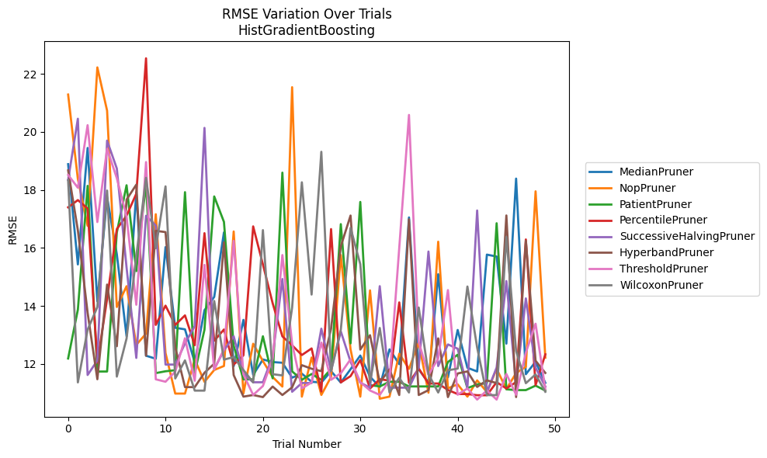
Trial | MedianPruner | NopPruner | PatientPruner | PercentilePruner | SuccessiveHalvingPruner | HyperbandPruner | ThresholdPruner | WilcoxonPruner
1 | 18.887838773 | 21.285821376 | 12.191961383 | 17.40048517 | 18.347335489 | 18.672700459 | 18.515853881 | 18.332409639
2 | 15.43292114 | 18.37637905 | 13.876050176 | 17.64996257 | 20.452655737 | 16.608379208 | 18.074778675 | 11.368247607
3 | 19.445998428 | 16.761484766 | 18.140636559 | 17.360796916 | 11.624579494 | 13.769784909 | 20.230606436 | 13.184719565
4 | 14.160488312 | 22.221585644 | 11.742747483 | 12.047211964 | 12.122751323 | 11.477174021 | 16.893511749 | 13.963979783
5 | 17.751190075 | 20.732271282 | 11.743610491 | 14.244175288 | 19.699323516 | 14.739123644 | 19.416862703 | 17.97780465
6 | 15.786126954 | 13.967350342 | 16.532727016 | 16.652494605 | 18.737708385 | 12.613648702 | 18.40423811 | 11.568102291
7 | 12.957374577 | 14.682943639 | 18.160695274 | 17.112729158 | 15.329134758 | 17.667085929 | 17.07716772 | 12.879237443
8 | 17.919303167 | 12.66286856 | 15.201959744 | 17.870429328 | 12.211502806 | 18.181088782 | 14.043475537 | 15.722098146
9 | 12.287892019 | 13.049527123 | 18.239401493 | 22.534486919 | 17.110067255 | 12.288682314 | 18.959670374 | 18.416830827
10 | 12.183344876 | 17.163062434 | 11.688963911 | 13.34997562 | 16.771914274 | 16.591473526 | 11.474645286 | 15.989690602
11 | 16.030169777 | 12.380826236 | 11.751381392 | 14.013050599 | 11.982897617 | 16.546776188 | 11.391033484 | 18.121925316
12 | 13.248767832 | 10.983327264 | 11.789182891 | 13.34997562 | 11.982897617 | 12.575073062 | 11.741378692 | 11.503733812
13 | 13.197207242 | 10.983327264 | 17.92287843 | 13.677326039 | 12.712991528 | 11.206728797 | 12.889781034 | 12.126859338
14 | 12.058215198 | 12.161113138 | 11.694672758 | 12.648524487 | 13.305294046 | 11.206728797 | 11.425302454 | 11.085051083
15 | 13.856324008 | 11.38746806 | 13.18333911 | 16.510085093 | 20.137062203 | 11.700693999 | 15.417365368 | 11.085051083
16 | 14.31320063 | 11.795765438 | 17.775506844 | 12.802446352 | 11.824229527 | 12.013297085 | 11.815316905 | 14.173808568
17 | 16.537679618 | 11.933852503 | 16.897660773 | 13.191441088 | 12.472352668 | 16.194109189 | 12.506711807 | 12.153638075
18 | 11.928455018 | 16.568330558 | 12.632239182 | 11.982749066 | 12.957374577 | 11.620370072 | 16.245427626 | 12.240352977
19 | 13.522412104 | 10.986436841 | 11.4729412 | 12.299597905 | 11.673883585 | 10.878035348 | 11.64318317 | 11.795439065
20 | 11.628418492 | 12.700710249 | 11.4729412 | 16.743608366 | 11.372961711 | 10.933671153 | 10.936230618 | 11.369713638
21 | 12.158306587 | 12.103938907 | 12.957374577 | 15.433889697 | 11.372961711 | 10.862299548 | 11.243260725 | 16.615285857
22 | 12.069835825 | 11.554970759 | 11.509740225 | 14.09817979 | 12.262826585 | 11.225370098 | 12.178887635 | 11.651603117
23 | 12.044932042 | 11.224648961 | 18.595311793 | 12.954373686 | 14.930544601 | 10.933671153 | 15.756198912 | 11.608369987
24 | 11.531526993 | 21.539496533 | 11.747970042 | 12.645294135 | 11.045490311 | 11.198699325 | 12.709333915 | 13.945062691
25 | 11.669009349 | 10.877850213 | 11.457471924 | 12.311254176 | 11.34719015 | 11.961749562 | 11.159195398 | 18.262383838
26 | 11.391033484 | 12.22492983 | 11.657445426 | 12.538139625 | 11.34719015 | 11.839217659 | 11.367274608 | 14.394632865
27 | 11.362938373 | 10.936230618 | 11.456489655 | 11.057259128 | 13.219295921 | 11.755723256 | 12.739651986 | 19.314153736
28 | 11.756271918 | 11.557342159 | 11.833822503 | 16.650831835 | 11.763165679 | 13.220846214 | 11.459153284 | 11.768169808
29 | 11.362938373 | 15.756198912 | 16.821260794 | 11.367274608 | 13.127221132 | 16.057135009 | 11.682448089 | 13.186075577
30 | 11.821454655 | 12.507672158 | 12.713013191 | 11.584916164 | 12.080229193 | 17.117157618 | 12.163682752 | 16.692553551
31 | 12.293662802 | 10.877850213 | 17.586149254 | 12.139617355 | 11.359371953 | 12.499698137 | 11.379044241 | 15.441713766
32 | 11.563543976 | 14.539503872 | 11.274466021 | 11.159195398 | 11.186745086 | 12.994735969 | 11.089059032 | 11.369713638
33 | 11.212081413 | 10.807067874 | 11.229280448 | 11.476501907 | 14.68416693 | 11.367274608 | 10.937599675 | 13.243417717
34 | 12.507102442 | 10.877850213 | 11.390888804 | 11.431336905 | 11.186745086 | 11.817517605 | 11.440501335 | 11.019844977
35 | 11.997101079 | 12.35679776 | 11.390888804 | 14.124919953 | 11.186745086 | 10.933671153 | 16.000090736 | 11.527247664
36 | 17.052417417 | 11.834816993 | 11.229280448 | 11.354629985 | 11.186745086 | 16.987372251 | 20.583673579 | 11.019844977
37 | 11.815316905 | 12.739651986 | 11.229280448 | 11.848109594 | 11.880462292 | 10.933671153 | 12.757714069 | 13.948215587
38 | 11.362938373 | 11.014002464 | 11.229280448 | 11.330354611 | 15.877456352 | 11.100767389 | 11.62568416 | 11.654956629
39 | 15.09784944 | 16.216016501 | 11.229280448 | 11.330354611 | 11.931672804 | 12.885239902 | 12.195459629 | 11.019844977
40 | 11.542501817 | 11.164922575 | 12.069146686 | 11.106090414 | 12.67688586 | 10.862299548 | 14.548808138 | 11.784865611
41 | 13.175320291 | 11.301348513 | 12.322449469 | 10.967310081 | 12.529169161 | 11.676140105 | 10.944112366 | 11.843514831
42 | 11.872820095 | 10.877850213 | 11.171156603 | 10.967310081 | 11.186745086 | 11.746337063 | 11.159514973 | 14.671595315
43 | 11.744914985 | 11.436665865 | 11.297544527 | 10.926356596 | 17.29149668 | 11.212081413 | 10.776449127 | 12.569934694
44 | 15.770902395 | 11.036793301 | 11.347131936 | 10.926356596 | 11.022742921 | 11.439842432 | 11.092243697 | 10.930810844
45 | 15.705075219 | 11.83301974 | 16.852278296 | 11.375718 | 11.881306638 | 11.344885248 | 10.776449127 | 10.930810844
46 | 12.704102258 | 11.140088043 | 11.131533787 | 11.159514973 | 14.860314493 | 17.120169647 | 11.659779919 | 16.381889698
47 | 18.390368935 | 11.688281555 | 11.102559658 | 11.379044241 | 11.301477463 | 10.862299548 | 10.944112366 | 12.451185004
48 | 11.649929806 | 11.905605616 | 11.102559658 | 16.293849917 | 14.262961502 | 16.244281695 | 12.393614528 | 11.340917982
49 | 12.079630562 | 17.951777233 | 11.257061809 | 11.27608193 | 11.875444183 | 12.114800471 | 13.389967082 | 11.642251297
50 | 11.353176919 | 12.221720924 | 11.08672455 | 12.335018206 | 11.225657437 | 11.694672758 | 11.131533787 | 11.045490311

RMSE_Trials_PGBM
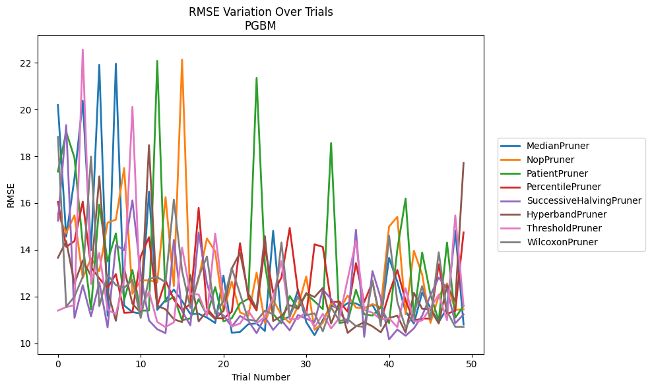
Trial | MedianPruner | NopPruner | PatientPruner | PercentilePruner | SuccessiveHalvingPruner | HyperbandPruner | ThresholdPruner | WilcoxonPruner
1 | 20.195859169 | 15.536254587 | 17.350285738 | 16.049774761 | 15.249796693 | 13.656076553 | 11.396914702 | 18.830640993
2 | 14.561001589 | 14.717258094 | 19.041498542 | 14.124191288 | 19.336006251 | 14.373929113 | 11.547406213 | 11.560568486
3 | 17.061482682 | 15.471044815 | 17.940132596 | 14.374046978 | 11.082691925 | 12.547517965 | 11.624560194 | 11.99908677
4 | 20.378796289 | 12.795333539 | 14.241256481 | 16.061322957 | 12.481950991 | 13.547198371 | 22.572116119 | 12.845655346
5 | 13.975189345 | 13.63855188 | 11.449101138 | 13.26285444 | 11.148784359 | 12.882091324 | 12.537918992 | 17.992681574
6 | 21.91887612 | 13.07550281 | 15.935849619 | 12.772402215 | 12.601622192 | 17.141483532 | 13.868048059 | 11.585962223
7 | 11.177833465 | 15.161696139 | 13.493980898 | 12.361866111 | 10.677386922 | 12.237877804 | 11.433035711 | 12.929770327
8 | 21.964829235 | 15.290057137 | 14.701384942 | 12.961419027 | 14.200902808 | 10.962638982 | 11.246258433 | 12.486368999
9 | 11.615619205 | 17.49883851 | 11.858419371 | 11.302441102 | 13.979371923 | 13.204240575 | 12.695437195 | 12.372524467
10 | 11.333656797 | 12.117565582 | 13.135002761 | 11.322402282 | 16.116100827 | 11.68703006 | 20.116311372 | 12.709147177
11 | 11.26760193 | 12.69602025 | 11.39390198 | 13.719437415 | 12.960924433 | 11.311829768 | 11.426701505 | 11.084234689
12 | 16.488316289 | 12.69602025 | 11.398886863 | 14.540597236 | 10.971667451 | 18.476995182 | 12.21444138 | 12.762205481
13 | 11.426765879 | 12.598604726 | 22.083988401 | 11.590955221 | 10.598244751 | 11.60177762 | 10.908796898 | 12.826616354
14 | 11.847801719 | 16.252459738 | 11.777797481 | 12.694009112 | 10.430795147 | 11.453664882 | 10.688050626 | 12.615502576
15 | 12.300001589 | 12.447724792 | 11.979149215 | 11.869906997 | 14.421078781 | 11.026743639 | 10.895546576 | 16.145852363
16 | 11.805278372 | 22.139208046 | 10.981936162 | 11.415946083 | 11.3724401 | 10.903870189 | 14.093537897 | 13.08915627
17 | 11.252854756 | 11.59727474 | 11.065943573 | 11.679660537 | 10.763531345 | 12.921192396 | 12.10845092 | 11.5102729
18 | 11.259514552 | 12.757565429 | 11.892058207 | 15.794792156 | 14.743586993 | 10.93645799 | 12.082672573 | 12.839581914
19 | 11.098145904 | 14.484978206 | 11.187160456 | 11.487930443 | 12.569928695 | 11.367709575 | 11.169300671 | 13.713464989
20 | 10.867063628 | 13.930543771 | 12.401080557 | 11.07397027 | 11.34946522 | 11.03648233 | 14.697170196 | 11.267778661
21 | 12.892997234 | 11.356021405 | 10.937662158 | 11.061765934 | 11.195497302 | 11.399558623 | 11.915745883 | 11.798740696
22 | 10.450269048 | 12.638890158 | 11.067301111 | 11.349226436 | 10.70948754 | 13.197292502 | 10.713755136 | 13.220240809
23 | 10.481705547 | 11.3201887 | 11.704984549 | 14.284507628 | 11.166985643 | 13.871903223 | 10.845895317 | 12.115255738
24 | 10.815442193 | 11.167593866 | 11.900017825 | 11.957195551 | 10.959810974 | 12.126861288 | 11.388457842 | 11.003549982
25 | 10.847138081 | 13.022224831 | 21.356314253 | 11.398703502 | 10.430795147 | 11.494050949 | 10.854624676 | 10.956114173
26 | 10.525484926 | 10.870520261 | 13.386635427 | 14.134744835 | 11.12292169 | 14.580973144 | 11.117713868 | 11.394896572
27 | 14.809326985 | 11.850766812 | 11.24580358 | 12.158963939 | 10.571914769 | 10.95081094 | 11.966833557 | 11.23883437
28 | 10.979973388 | 11.204524966 | 10.852692156 | 12.808907335 | 10.983652214 | 11.160211626 | 13.518709304 | 14.314000943
29 | 11.14191743 | 10.870520261 | 12.021737985 | 14.935819738 | 10.550466768 | 11.628458599 | 11.027581745 | 11.132088798
30 | 12.286976984 | 11.570323781 | 11.477893389 | 12.207816091 | 11.207635346 | 11.478950285 | 11.041289884 | 12.006841449
31 | 10.901213262 | 12.854373346 | 12.106770184 | 11.200881034 | 11.049464952 | 12.145656653 | 11.357721879 | 11.199993288
32 | 10.342498811 | 10.570937519 | 11.795965434 | 14.23339963 | 10.903132947 | 11.975151552 | 10.675669029 | 11.277353812
33 | 10.995178609 | 10.870520261 | 11.456646866 | 14.120309935 | 12.289502062 | 12.366650303 | 11.255578556 | 10.507925973
34 | 11.618922135 | 11.730970786 | 18.572410792 | 11.754665021 | 11.897487666 | 10.840702513 | 10.635780717 | 11.540976622
35 | 11.469492933 | 11.397175463 | 10.867403864 | 11.785146072 | 11.339392627 | 11.728773933 | 11.078672221 | 10.952448436
36 | 11.716447403 | 12.042709498 | 10.926402039 | 11.351002018 | 10.86009781 | 10.44295014 | 12.743727438 | 11.029419198
37 | 11.706183942 | 11.527500282 | 12.288097904 | 13.426799857 | 14.859607513 | 10.721963677 | 14.372397283 | 10.734457735
38 | 11.512065246 | 11.48955096 | 11.236387455 | 11.761757564 | 10.274936546 | 10.90220867 | 11.424233176 | 10.702316418
39 | 11.63720886 | 11.67552646 | 11.185000976 | 12.616082284 | 13.086128783 | 10.721963677 | 11.303763094 | 12.688443372
40 | 11.018831122 | 11.531153963 | 11.538772691 | 10.943912092 | 11.927024392 | 10.469650899 | 11.021658866 | 10.734457735
41 | 13.65299087 | 14.99458705 | 10.861349489 | 12.120463 | 10.164414585 | 11.079142553 | 11.071851727 | 14.608088922
42 | 12.624965657 | 15.409674052 | 14.014871566 | 13.136804088 | 10.586375446 | 11.177846504 | 10.688050626 | 11.765911413
43 | 11.360470051 | 11.240642814 | 16.195244786 | 11.823256089 | 10.319036382 | 10.454640064 | 12.351666038 | 10.659713621
44 | 10.839605399 | 13.958704645 | 11.109015221 | 10.962126895 | 10.634921292 | 12.15649653 | 10.932593944 | 11.266587031
45 | 12.166217053 | 12.942033283 | 13.883429454 | 11.05628367 | 11.176523983 | 11.474530502 | 10.973210312 | 12.446169237
46 | 11.511059003 | 10.870520261 | 12.084915576 | 11.054663543 | 12.04847328 | 11.457045131 | 11.514174112 | 11.017095528
47 | 10.898190342 | 12.01554619 | 10.964930925 | 13.381241589 | 12.812536798 | 10.842020295 | 12.077396356 | 13.890388325
48 | 11.507772025 | 12.56030215 | 14.308864212 | 11.261511454 | 12.337845935 | 12.48075331 | 10.985553618 | 11.363736944
49 | 14.82312933 | 11.425881378 | 11.091447313 | 11.382194789 | 10.857205274 | 11.783101933 | 15.470865684 | 10.702316418
50 | 10.804382235 | 11.45570055 | 11.592505626 | 14.741471367 | 11.231538632 | 17.708600538 | 11.587197061 | 10.702316418

