RMSE_Trials_Random Forest
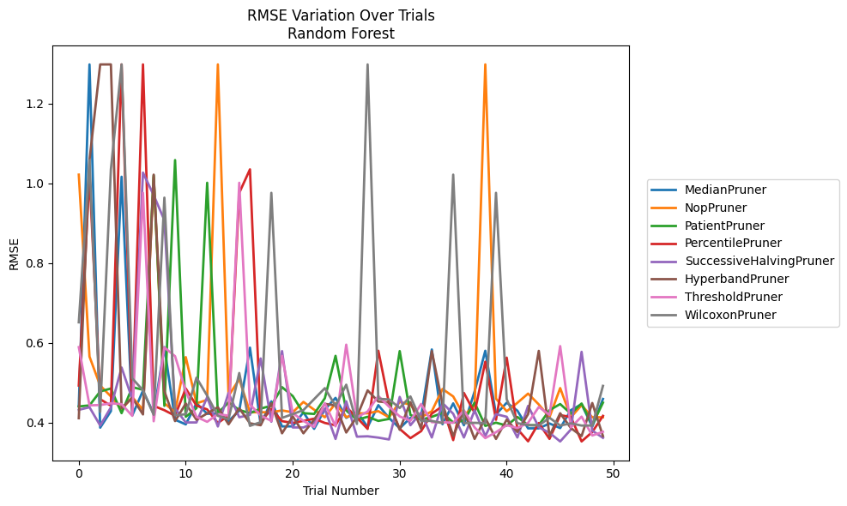
Trial | MedianPruner | NopPruner | PatientPruner | PercentilePruner | SuccessiveHalvingPruner | HyperbandPruner | ThresholdPruner | WilcoxonPruner
1 | 0.4408761866 | 1.0217682672 | 0.44024365642 | 0.49272448639 | 0.43177615421 | 0.41071793665 | 0.58901970304 | 0.65131486105
2 | 1.2982202857 | 0.56529861384 | 0.44287196112 | 1.0217682672 | 0.43823551789 | 1.0582653639 | 0.44287196112 | 1.0582653639
3 | 0.38703808588 | 0.49262572824 | 0.47789620869 | 0.45840578265 | 0.39240520541 | 1.2982202857 | 0.44385368069 | 0.42636228835
4 | 0.4284971595 | 0.46539191516 | 0.48521526381 | 0.44206667644 | 0.4378832859 | 1.2983005963 | 0.44817074406 | 1.0349920653
5 | 1.0165000098 | 0.432490155 | 0.42338692702 | 1.2983005963 | 0.5379206011 | 0.4359604004 | 0.44601646446 | 1.2983005963
6 | 0.41790058456 | 0.46394943853 | 0.48862686934 | 0.42863950575 | 0.45864041071 | 0.4617057934 | 0.41661760184 | 0.51081716779
7 | 0.47990211278 | 0.43145470742 | 0.48212000908 | 1.2983005963 | 1.0268023381 | 0.42025517214 | 0.97615407231 | 0.48056602414
8 | 0.42188189026 | 1.0165000098 | 1.0201907823 | 0.44174861286 | 0.97036780556 | 1.0217682672 | 0.40310917672 | 0.41936062482
9 | 0.58901970304 | 0.44829389102 | 0.44180000784 | 0.43080110308 | 0.90742052627 | 0.47841882573 | 0.58819392666 | 0.96406847205
10 | 0.40694916628 | 0.42564766661 | 1.0582653639 | 0.41696437054 | 0.43506656601 | 0.40352308465 | 0.5663105986 | 0.41778362332
11 | 0.39521827493 | 0.5640103185 | 0.41434569656 | 0.48515693459 | 0.40006112606 | 0.44751108791 | 0.47852072502 | 0.42082222732
12 | 0.4484282263 | 0.44801497755 | 0.4359546572 | 0.44247291624 | 0.40006112606 | 0.40679238012 | 0.41414599862 | 0.51245921369
13 | 0.42190599182 | 0.45681793134 | 1.0013842817 | 0.43282730418 | 0.46354192699 | 0.42280203837 | 0.40172065664 | 0.4673024829
14 | 0.42196511685 | 1.2982769178 | 0.42338692702 | 0.39871401341 | 0.39004715822 | 0.43835020879 | 0.42083092455 | 0.41675765184
15 | 0.40357018676 | 0.46669971316 | 0.45035346032 | 0.41785391197 | 0.47415669386 | 0.39540193583 | 0.41717666401 | 0.40829256771
16 | 0.42935928771 | 0.50867558962 | 0.43131435413 | 0.97615407231 | 0.41312170198 | 0.4355555207 | 1.0013842817 | 0.52409554634
17 | 0.58779717009 | 0.42565947143 | 0.42338692702 | 1.0349920653 | 0.41908761132 | 0.39793604708 | 0.44500489465 | 0.39156795392
18 | 0.39521827493 | 0.42564766661 | 0.43483753999 | 0.40037021784 | 0.56058886121 | 0.39310415497 | 0.41758822081 | 0.40089333682
19 | 0.45309490409 | 0.42564766661 | 0.44214361457 | 0.43414070475 | 0.40201850069 | 0.44806585271 | 0.4039709357 | 0.97615407231
20 | 0.39011956327 | 0.43023522091 | 0.48862686934 | 0.40337031734 | 0.57913970482 | 0.37283916996 | 0.56716105437 | 0.41156386164
21 | 0.39035421655 | 0.42564766661 | 0.46628516001 | 0.39882903349 | 0.38753278138 | 0.41534029393 | 0.4235923934 | 0.42101278137
22 | 0.42561680203 | 0.45159060191 | 0.42338692702 | 0.40393665928 | 0.38753278138 | 0.37283916996 | 0.4039709357 | 0.43115411821
23 | 0.38409217945 | 0.43205687784 | 0.4214013279 | 0.40964039729 | 0.39890238272 | 0.40719080824 | 0.38862980098 | 0.45864506859
24 | 0.43295582605 | 0.41312965884 | 0.46081831106 | 0.39882903349 | 0.43368194667 | 0.44668570045 | 0.44841221976 | 0.48610897774
25 | 0.46174983695 | 0.44814720651 | 0.56722607508 | 0.39300984449 | 0.35873503079 | 0.4428502929 | 0.39035421655 | 0.44164361846
26 | 0.41153632644 | 0.41312965884 | 0.43012868532 | 0.43887830461 | 0.45309490409 | 0.37484045356 | 0.59525248667 | 0.49482503676
27 | 0.42724645871 | 0.42304225101 | 0.40669919367 | 0.41235097344 | 0.3644305642 | 0.41461328581 | 0.4132466221 | 0.39628853145
28 | 0.38855333797 | 0.42304225101 | 0.41427510606 | 0.38383458017 | 0.36534148662 | 0.48056602414 | 0.42746313326 | 1.2982202857
29 | 0.44349514356 | 0.42843368161 | 0.40395238626 | 0.58003620089 | 0.36205983588 | 0.45260114134 | 0.46641112344 | 0.45948410365
30 | 0.41133650664 | 0.41312965884 | 0.4089454431 | 0.44751776312 | 0.35741690847 | 0.44999752459 | 0.43971996032 | 0.457866865
31 | 0.38545493257 | 0.45176549376 | 0.57913970482 | 0.38383458017 | 0.46409973324 | 0.38162416653 | 0.41516716011 | 0.43640833559
32 | 0.41162094467 | 0.44445752529 | 0.41905068339 | 0.36070592014 | 0.39313832093 | 0.45127069644 | 0.40429628068 | 0.46538290927
33 | 0.41507176929 | 0.41312965884 | 0.40669919367 | 0.37832995754 | 0.42497913882 | 0.38390395764 | 0.44635557811 | 0.40401510729
34 | 0.58320318316 | 0.42817665911 | 0.41419132317 | 0.42239672312 | 0.36237383552 | 0.57913970482 | 0.40076521087 | 0.40401510729
35 | 0.39566326848 | 0.4840534326 | 0.42393344008 | 0.44083531281 | 0.44884233324 | 0.44634556612 | 0.40076521087 | 0.39832007757
36 | 0.44791297969 | 0.46529478837 | 0.40002188767 | 0.35580114701 | 0.42190599182 | 0.3663147966 | 0.39915160497 | 1.0217682672
37 | 0.39303080106 | 0.41761755881 | 0.40476176468 | 0.47415669386 | 0.36237383552 | 0.42923682614 | 0.43038096404 | 0.39832007757
38 | 0.47777851658 | 0.44231360832 | 0.44972095422 | 0.42432845341 | 0.43048077523 | 0.35878251036 | 0.38753278138 | 0.39915160497
39 | 0.57998599173 | 1.2983005963 | 0.39143720234 | 0.55256770711 | 0.36587526478 | 0.41117293478 | 0.36082577474 | 0.39832007757
40 | 0.42025542866 | 0.45982001699 | 0.39954229903 | 0.40679383215 | 0.42100110733 | 0.35878251036 | 0.37569880642 | 0.97615407231
41 | 0.44967737202 | 0.42817665911 | 0.39219777047 | 0.56266908096 | 0.4142941567 | 0.4071612646 | 0.39326807962 | 0.45823671302
42 | 0.42968684363 | 0.449342729 | 0.41389070777 | 0.38383458017 | 0.36237383552 | 0.37629327514 | 0.38604130713 | 0.39832007757
43 | 0.38526994773 | 0.47248489467 | 0.39327337026 | 0.35278623127 | 0.44164361846 | 0.42093832734 | 0.39915852075 | 0.39341410466
44 | 0.38526994773 | 0.44521750077 | 0.39327337026 | 0.39877013036 | 0.38822252535 | 0.5797276237 | 0.43887830461 | 0.39239665643
45 | 0.39756465762 | 0.41312965884 | 0.43090666476 | 0.35890612716 | 0.3741278522 | 0.36635373545 | 0.41916032161 | 0.41190336946
46 | 0.38593548846 | 0.48630574901 | 0.44626547625 | 0.4184445542 | 0.35241508326 | 0.4231869512 | 0.59158036152 | 0.39232037846
47 | 0.4310107611 | 0.41312965884 | 0.42206236136 | 0.41360701653 | 0.38238999872 | 0.38604130713 | 0.38753278138 | 0.39785252194
48 | 0.44581724348 | 0.44338024456 | 0.44760369063 | 0.35245390848 | 0.57723335466 | 0.36587526478 | 0.41475493181 | 0.39232037846
49 | 0.38944164172 | 0.41312965884 | 0.39403805368 | 0.37609760442 | 0.37953265133 | 0.44877933853 | 0.36736611159 | 0.39232037846
50 | 0.45903851601 | 0.41312965884 | 0.44977003598 | 0.41653893721 | 0.36154101051 | 0.36587526478 | 0.376672543 | 0.49185795592

RMSE_Trials_Gradient Boosting
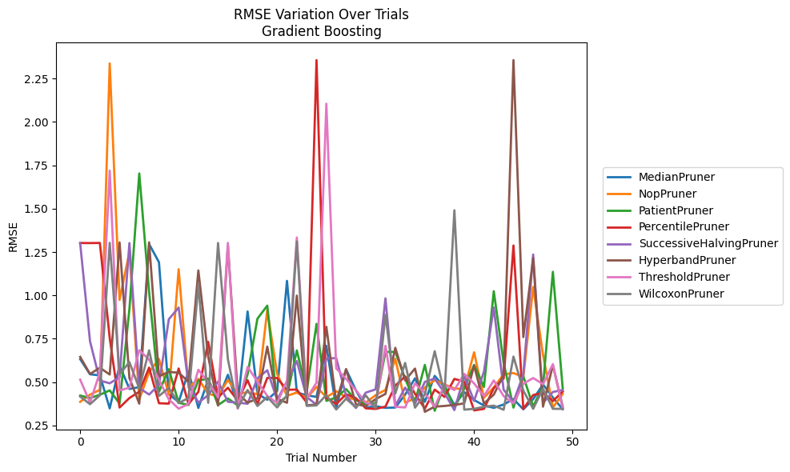
Trial | MedianPruner | NopPruner | PatientPruner | PercentilePruner | SuccessiveHalvingPruner | HyperbandPruner | ThresholdPruner | WilcoxonPruner
1 | 0.6317964622 | 0.38591809011 | 0.42214548578 | 1.3019374947 | 1.3004867247 | 0.64481899353 | 0.51387158928 | 0.41635513786
2 | 0.54489035259 | 0.42743047052 | 0.40799035772 | 1.3014963544 | 0.73476521265 | 0.54646948782 | 0.38099948283 | 0.37219908133
3 | 0.53815581717 | 0.45500597961 | 0.42646598868 | 1.3022513254 | 0.50859906451 | 0.58253669282 | 0.55565728381 | 0.42379161787
4 | 0.34801662614 | 2.3379825705 | 0.45186258529 | 0.75371021677 | 0.4926955196 | 0.54333426854 | 1.7193533731 | 1.3030090075
5 | 0.59589135416 | 0.97377930721 | 0.37644358966 | 0.35289358645 | 0.52759737106 | 1.3050187775 | 0.45172101997 | 0.54522539518
6 | 0.46020822957 | 1.2500133518 | 0.92105939118 | 0.40772453933 | 1.3015549217 | 0.52369057658 | 0.46733665202 | 0.61508217347
7 | 0.47045778106 | 0.39926119977 | 1.7031420714 | 0.4440572927 | 0.46555962252 | 0.37531039072 | 0.68358841219 | 0.46294622289
8 | 1.2958200642 | 0.55718480057 | 1.0194907057 | 0.5832739038 | 0.42789245543 | 1.306104893 | 0.62940406919 | 0.68300118089
9 | 1.1913043457 | 0.63308492051 | 0.44366797757 | 0.37776996435 | 0.483467262 | 0.53356147492 | 0.51260804778 | 0.41962666234
10 | 0.42977625704 | 0.42730399305 | 0.57403650471 | 0.37544502544 | 0.86199882857 | 0.55829517074 | 0.40007183355 | 0.46602912038
11 | 0.38490509815 | 1.1507455804 | 0.38021802462 | 0.57806329031 | 0.9298926123 | 0.55393129763 | 0.34661718186 | 0.37787645762
12 | 0.56139193646 | 0.46812821751 | 0.36759806355 | 0.37315967325 | 0.48425048978 | 0.50202582997 | 0.37346465464 | 0.40845287707
13 | 0.35060409321 | 0.51824827874 | 0.5082622529 | 0.44324836405 | 0.38139200043 | 1.1437228804 | 0.57080543373 | 1.0625788072
14 | 0.51314546196 | 0.43285677857 | 0.51950677517 | 0.73192469002 | 0.4241623541 | 0.64723582777 | 0.4984263803 | 0.38023789493
15 | 0.39691800575 | 0.41717821078 | 0.36721393781 | 0.41121021867 | 0.50259592983 | 0.36451659622 | 0.41207869486 | 1.3019374947
16 | 0.54192159597 | 0.51231555464 | 0.40537038397 | 0.46726807254 | 0.38599490135 | 1.2854263536 | 1.3026141901 | 0.63191172813
17 | 0.36752640637 | 0.42936714745 | 0.36546938205 | 0.39270013715 | 0.38139200043 | 0.43474834206 | 0.34661718186 | 0.35098145146
18 | 0.90710057056 | 0.44239510061 | 0.54465531678 | 0.51051750653 | 0.37484635888 | 0.38101236916 | 0.58730570088 | 0.45397117348
19 | 0.43285677857 | 0.4295393317 | 0.86525596617 | 0.37315967325 | 0.52168644963 | 0.40486324696 | 0.50248595474 | 0.36188669817
20 | 0.39769560561 | 0.91552761326 | 0.94074702122 | 0.52379044239 | 0.56814185397 | 0.70425129145 | 0.42029712863 | 0.41373467049
21 | 0.44837420324 | 0.54657879482 | 0.37337905002 | 0.52324891499 | 0.39769560561 | 0.40250547792 | 0.37900479622 | 0.35347857587
22 | 1.0836625405 | 0.42016462568 | 0.41868404752 | 0.45528385393 | 0.50269154486 | 0.38048849665 | 0.50703459036 | 0.42233517155
23 | 0.43938202803 | 0.43972563602 | 0.68245001749 | 0.45658834257 | 0.62097740964 | 0.99849803514 | 1.3337541356 | 1.3110929243
24 | 0.42375576666 | 0.40739647298 | 0.4438634185 | 0.3822334432 | 0.4136858872 | 0.36608749619 | 0.40609141434 | 0.36225479806
25 | 0.4142270889 | 0.4718524389 | 0.83561835009 | 2.3566274009 | 0.36919009639 | 0.36987855188 | 0.4960419464 | 0.36526750005
26 | 0.70852512821 | 0.41273330185 | 0.39150407639 | 0.4093127137 | 0.63587509357 | 0.81865575799 | 2.1052670815 | 0.4254304025
27 | 0.35110253955 | 0.44708989516 | 0.41095357779 | 0.37315967325 | 0.63804194588 | 0.38642043463 | 0.57859564752 | 0.34159208849
28 | 0.57289380229 | 0.41300612347 | 0.45964656236 | 0.4295186865 | 0.42133878319 | 0.57462600589 | 0.51857680399 | 0.40393650132
29 | 0.45234525444 | 0.39678717218 | 0.39548226525 | 0.40717913818 | 0.35037388596 | 0.37186499472 | 0.45277711142 | 0.35335449494
30 | 0.35180117201 | 0.38124197337 | 0.37313703958 | 0.34822270831 | 0.43889565583 | 0.36167335517 | 0.38099948283 | 0.42276675845
31 | 0.36080547508 | 0.4241074859 | 0.37839446249 | 0.34497534457 | 0.45754174109 | 0.40141871123 | 0.36239372605 | 0.34936867406
32 | 0.35110253955 | 0.45466636203 | 0.67353863244 | 0.35844527881 | 0.98267338959 | 0.43144544644 | 0.70891858807 | 0.88777519239
33 | 0.35298035872 | 0.63406619619 | 0.67394339628 | 0.47955117988 | 0.36191098957 | 0.69750932446 | 0.35725722207 | 0.43400643607
34 | 0.42747021589 | 0.38124197337 | 0.5189452968 | 0.53273341359 | 0.46799173002 | 0.50985636165 | 0.3534306547 | 0.61029836782
35 | 0.52152245773 | 0.40488486499 | 0.38461708623 | 0.43247903759 | 0.37535079237 | 0.57773107877 | 0.49180212887 | 0.35223179048
36 | 0.38611327875 | 0.4683557215 | 0.59894142564 | 0.34609254115 | 0.50105705231 | 0.32837674827 | 0.4364180736 | 0.42885143154
37 | 0.53571236829 | 0.51098919574 | 0.33429344477 | 0.45629344697 | 0.51996406381 | 0.35802692166 | 0.35725722207 | 0.67780795079
38 | 0.46909358605 | 0.48597732374 | 0.48261406275 | 0.4142455139 | 0.43668169802 | 0.3620706246 | 0.483889624 | 0.43274620857
39 | 0.36752640637 | 0.46299471599 | 0.35048061247 | 0.51817721344 | 0.33809207938 | 0.36815196845 | 0.45396082609 | 1.4907385221
40 | 0.44136243113 | 0.45905827884 | 0.46265814416 | 0.50226837934 | 0.53415632174 | 0.37676124831 | 0.54689012006 | 0.34067986035
41 | 0.39645864066 | 0.67160794691 | 0.59914513815 | 0.33648677741 | 0.39112384238 | 0.59494663288 | 0.49219534144 | 0.34551176248
42 | 0.36485197526 | 0.40907238356 | 0.47181574646 | 0.34508601383 | 0.55940357224 | 0.37638628685 | 0.41877362989 | 0.35744083903
43 | 0.35118478998 | 0.46917904765 | 1.0239263974 | 0.46502715741 | 0.92994271566 | 0.42716921948 | 0.50918645938 | 0.36395204978
44 | 0.37032531631 | 0.54445877769 | 0.6114319327 | 0.51952954163 | 0.45562478246 | 0.54195393244 | 0.41903522199 | 0.34015291369
45 | 0.40218428044 | 0.55207907033 | 0.35255527244 | 1.2877358363 | 0.38610491694 | 2.3569330841 | 0.37633165895 | 0.64695412252
46 | 0.34266510646 | 0.52775924302 | 0.53330276489 | 0.34526676024 | 0.54303659012 | 0.75921855212 | 0.48983368303 | 0.45085184058
47 | 0.40117990255 | 1.0484006133 | 0.35905857434 | 0.42526642644 | 1.2356903882 | 1.2144933654 | 0.52317979242 | 0.34551176248
48 | 0.48595449815 | 0.65660849459 | 0.47697524808 | 0.43769747229 | 0.38003734568 | 0.35802692166 | 0.48753689863 | 0.46120236499
49 | 0.41117728568 | 0.35286593321 | 1.1357684582 | 0.39015482032 | 0.44277461145 | 0.59798691765 | 0.60299650619 | 0.34551176248
50 | 0.34313222781 | 0.43169571424 | 0.46292610034 | 0.44518869001 | 0.4540104966 | 0.35713998673 | 0.34641888033 | 0.34551176248

RMSE_Trials_XGBoost
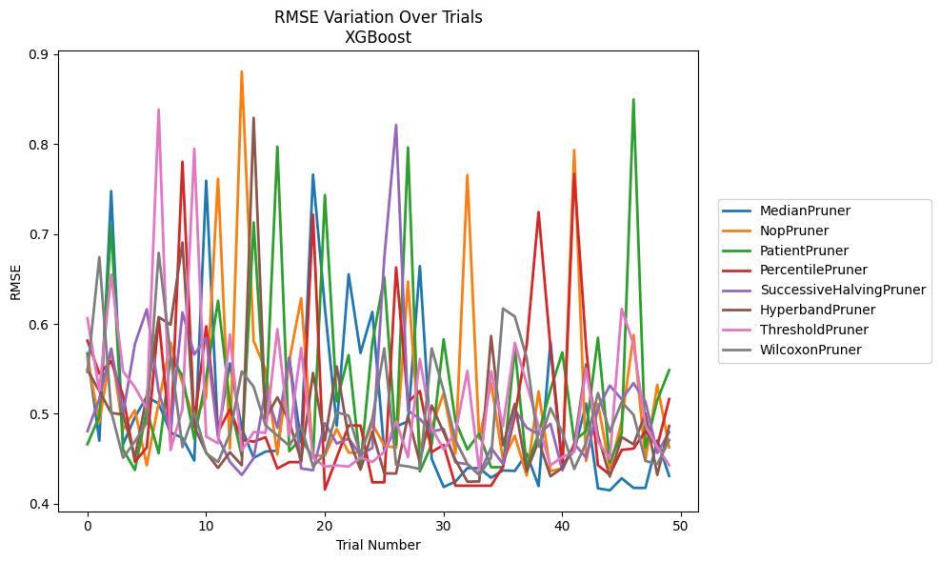
Trial | MedianPruner | NopPruner | PatientPruner | PercentilePruner | SuccessiveHalvingPruner | HyperbandPruner | ThresholdPruner | WilcoxonPruner
1 | 0.5671777723 | 0.56208191542 | 0.46627003305 | 0.58134455087 | 0.48067595594 | 0.54876617158 | 0.60626485859 | 0.54651930672
2 | 0.47017054818 | 0.49059510363 | 0.49724936022 | 0.54487597297 | 0.51667482199 | 0.5252784321 | 0.52558085937 | 0.6741556151
3 | 0.74766474311 | 0.57151329469 | 0.70952941076 | 0.55846647584 | 0.57252324131 | 0.50103152672 | 0.65488526626 | 0.50268387623
4 | 0.46616996568 | 0.48275161951 | 0.4601894966 | 0.52010704552 | 0.49956439503 | 0.49918947276 | 0.54724260688 | 0.45106521421
5 | 0.49619366408 | 0.50404699668 | 0.43757262613 | 0.44662965083 | 0.57778108598 | 0.45161094942 | 0.52960421398 | 0.46923953362
6 | 0.51909779175 | 0.44277900234 | 0.50423681411 | 0.4626319202 | 0.6162759681 | 0.52057254202 | 0.50581083587 | 0.49015562366
7 | 0.51139799035 | 0.51214006842 | 0.45608715931 | 0.60644917355 | 0.52480058903 | 0.6075236442 | 0.83828181389 | 0.67901609472
8 | 0.47923023513 | 0.57928883816 | 0.56288509202 | 0.46871408472 | 0.48004876716 | 0.59922730291 | 0.45982110754 | 0.5656952111
9 | 0.47319317899 | 0.53407878343 | 0.54256549043 | 0.78040079537 | 0.61287783525 | 0.69055162636 | 0.50524093038 | 0.46291362089
10 | 0.44804086777 | 0.49197616724 | 0.47195011396 | 0.48953933195 | 0.56594194451 | 0.48577372925 | 0.79471333663 | 0.50197647551
11 | 0.75924648226 | 0.51855652164 | 0.54054274714 | 0.59743920148 | 0.58459972265 | 0.45680708518 | 0.4745425782 | 0.45624627537
12 | 0.47691806698 | 0.76144867728 | 0.62572855101 | 0.47944927218 | 0.47375743988 | 0.43986641435 | 0.4673333921 | 0.44638462854
13 | 0.55609451263 | 0.46154137298 | 0.51172546627 | 0.50522292577 | 0.44649159196 | 0.45732865351 | 0.58822265582 | 0.47789673062
14 | 0.48379901566 | 0.88069264259 | 0.45296585696 | 0.47102030219 | 0.43196275818 | 0.44277757607 | 0.45907551864 | 0.5471776032
15 | 0.45101839231 | 0.58099644398 | 0.71286807459 | 0.46904806631 | 0.45062243651 | 0.82914126003 | 0.47980453307 | 0.53008720301
16 | 0.45801759799 | 0.54899681625 | 0.49604472675 | 0.47397652319 | 0.52706673136 | 0.49452371709 | 0.47882331534 | 0.48705637447
17 | 0.45908891293 | 0.45468673185 | 0.79720361829 | 0.43920602435 | 0.48425323236 | 0.51841482142 | 0.59422632564 | 0.47587601959
18 | 0.56177385314 | 0.55876029207 | 0.45843402026 | 0.44628553392 | 0.56280053438 | 0.49113358616 | 0.47566879041 | 0.46439171466
19 | 0.46826552569 | 0.62844528426 | 0.47232372526 | 0.44628553392 | 0.43921608437 | 0.44808909248 | 0.57318780045 | 0.48660045865
20 | 0.76612084534 | 0.45355584971 | 0.45120686091 | 0.72150322121 | 0.43723322914 | 0.54550074409 | 0.45099359619 | 0.44146287525
21 | 0.61777590198 | 0.45355584971 | 0.74335235168 | 0.41585332204 | 0.48964962667 | 0.47032503747 | 0.44123815176 | 0.45553646586
22 | 0.48673931007 | 0.48319393794 | 0.51372919287 | 0.45143310586 | 0.46695339718 | 0.55266533022 | 0.44256767047 | 0.50176558265
23 | 0.65517944956 | 0.4568403689 | 0.56531978037 | 0.48704300258 | 0.47250937417 | 0.47277332713 | 0.44132797555 | 0.49784497656
24 | 0.56774497236 | 0.45661454056 | 0.44313884084 | 0.4869214357 | 0.45448349721 | 0.43789342231 | 0.45122158165 | 0.45511395294
25 | 0.61334672011 | 0.48892970203 | 0.5794624764 | 0.42378875362 | 0.46197383583 | 0.47997212697 | 0.44647756668 | 0.4946736751
26 | 0.45801759799 | 0.4646782914 | 0.65192915309 | 0.42378875362 | 0.67273242081 | 0.43382406123 | 0.45764733802 | 0.57277549493
27 | 0.48580220374 | 0.46221838693 | 0.46535906843 | 0.66284200197 | 0.82124024714 | 0.43356970816 | 0.49181047185 | 0.44328728435
28 | 0.49170150009 | 0.64708966376 | 0.79628558238 | 0.51329019509 | 0.50390113441 | 0.49773317842 | 0.45172351752 | 0.44150080207
29 | 0.66429220335 | 0.46305491271 | 0.435958285 | 0.52529480659 | 0.49418469131 | 0.44574975041 | 0.5609907917 | 0.43864279916
30 | 0.44986328581 | 0.48467965093 | 0.46598474055 | 0.45746867938 | 0.48014898594 | 0.50927318374 | 0.48401052741 | 0.57279831559
31 | 0.41861817405 | 0.52300251992 | 0.5828570731 | 0.46542319575 | 0.48331077698 | 0.47942002193 | 0.46044283563 | 0.52563801233
32 | 0.42472617897 | 0.45573898421 | 0.49181047185 | 0.42004179022 | 0.44600002318 | 0.44869748312 | 0.47886946299 | 0.47060677745
33 | 0.43962305825 | 0.76555355345 | 0.46027715338 | 0.42004179022 | 0.44403467864 | 0.42451249246 | 0.54765564303 | 0.44436291425
34 | 0.43962305825 | 0.47232338288 | 0.47805171984 | 0.42004179022 | 0.43285135106 | 0.42481795481 | 0.43725812417 | 0.43172636048
35 | 0.42888014746 | 0.53454677051 | 0.4406415199 | 0.42004179022 | 0.46215449907 | 0.58658380727 | 0.54743456371 | 0.45122835438
36 | 0.43709265494 | 0.44865316447 | 0.4406415199 | 0.4412809793 | 0.44413346639 | 0.46499532095 | 0.48621940331 | 0.61714602732
37 | 0.43653226769 | 0.47558581738 | 0.57326359464 | 0.49775204174 | 0.50453659611 | 0.51100100936 | 0.5789158329 | 0.60814598914
38 | 0.45570776839 | 0.43131401744 | 0.4406415199 | 0.57663282814 | 0.48449236865 | 0.43571448055 | 0.5331333548 | 0.56209811478
39 | 0.41968437152 | 0.52491663797 | 0.47819715065 | 0.72431565018 | 0.47732367234 | 0.47007947527 | 0.48634654852 | 0.46380653577
40 | 0.57998655985 | 0.43633466288 | 0.52657361606 | 0.57367595299 | 0.4888569167 | 0.43044056671 | 0.44287045421 | 0.50636264038
41 | 0.44389516342 | 0.43927674946 | 0.56837160488 | 0.43951207709 | 0.43718101758 | 0.43990614871 | 0.45181814313 | 0.47941278362
42 | 0.45864891099 | 0.79339273395 | 0.46995185177 | 0.76681783509 | 0.46678066273 | 0.46484590817 | 0.45768524318 | 0.43864279916
43 | 0.51131808795 | 0.44759605164 | 0.48087247918 | 0.57451374969 | 0.45138665561 | 0.55502161434 | 0.55029909743 | 0.46768396406
44 | 0.41716546894 | 0.51130707938 | 0.58456701451 | 0.44281740158 | 0.50607535042 | 0.47612363388 | 0.46946836439 | 0.52310336809
45 | 0.41492785281 | 0.43927674946 | 0.44596799758 | 0.43226906954 | 0.53140347036 | 0.43019456201 | 0.45002432202 | 0.48012573234
46 | 0.42824913805 | 0.49160551513 | 0.47870205476 | 0.45985269452 | 0.51618153357 | 0.47406304922 | 0.61686315633 | 0.51301461329
47 | 0.41763271476 | 0.58765452413 | 0.84957414635 | 0.46136833565 | 0.53408172636 | 0.46603547816 | 0.57702061071 | 0.49890007293
48 | 0.41763271476 | 0.44813656918 | 0.46218537759 | 0.48075787767 | 0.51348849539 | 0.50046473017 | 0.48712269961 | 0.44754209696
49 | 0.47029856781 | 0.53226933076 | 0.51520447904 | 0.46413877904 | 0.45648590482 | 0.43205106242 | 0.46330029525 | 0.44408011619
50 | 0.43082876492 | 0.46269002079 | 0.5486442293 | 0.51637859991 | 0.47964771541 | 0.48659813308 | 0.4428264459 | 0.4707838852

RMSE_Trials_LightGBM
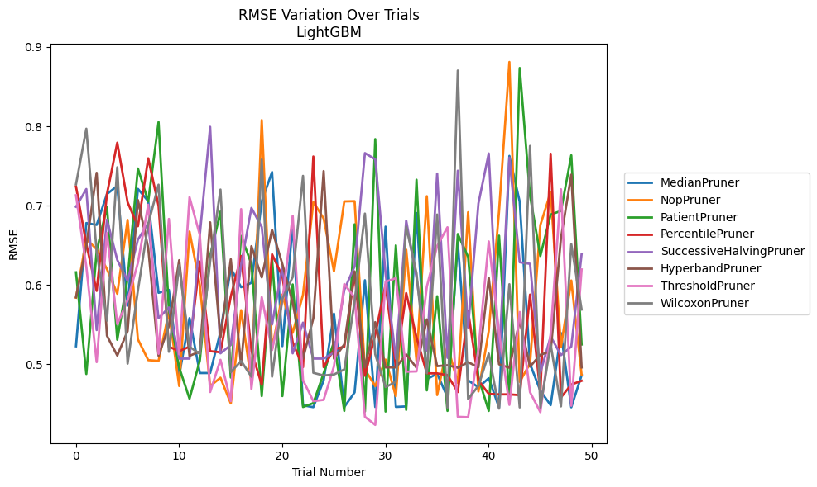
Trial | MedianPruner | NopPruner | PatientPruner | PercentilePruner | SuccessiveHalvingPruner | HyperbandPruner | ThresholdPruner | WilcoxonPruner
1 | 0.52277045365 | 0.58402791701 | 0.61594392557 | 0.724225263 | 0.69854784433 | 0.58452863722 | 0.71307633989 | 0.72683997271
2 | 0.6780494586 | 0.65773668585 | 0.48775876338 | 0.65137043268 | 0.7209314467 | 0.64961726306 | 0.6229097401 | 0.79697777135
3 | 0.67575490078 | 0.64514001063 | 0.64275086553 | 0.59253379616 | 0.54314748787 | 0.74138040907 | 0.5027669151 | 0.64253052951
4 | 0.71459921027 | 0.61991928283 | 0.69832646349 | 0.71466954209 | 0.68225589458 | 0.53604417867 | 0.66546233864 | 0.55500462228
5 | 0.72486276776 | 0.58894362661 | 0.53093047525 | 0.77933072035 | 0.63157755357 | 0.51102721743 | 0.55056697382 | 0.74832423833
6 | 0.57396972669 | 0.68199019343 | 0.60808316013 | 0.70431724101 | 0.60526187879 | 0.54185995358 | 0.58062080615 | 0.50082589549
7 | 0.7211148177 | 0.53144438698 | 0.74684695763 | 0.6740128277 | 0.65720511461 | 0.70703389789 | 0.62793270865 | 0.59317992433
8 | 0.70562470533 | 0.50524194143 | 0.7053229251 | 0.75965862696 | 0.67795732041 | 0.64669194899 | 0.70120762459 | 0.67695899402
9 | 0.59015353513 | 0.50426486505 | 0.80541918723 | 0.69992737702 | 0.5579885806 | 0.51069192547 | 0.51320554722 | 0.72642808535
10 | 0.5937976458 | 0.56591319163 | 0.56856095571 | 0.52225296604 | 0.57171382048 | 0.54831278898 | 0.68326385776 | 0.51573714524
11 | 0.48630073906 | 0.47260362055 | 0.49588947024 | 0.51656623727 | 0.50717151037 | 0.63122067744 | 0.51254935615 | 0.62478448758
12 | 0.55819791833 | 0.66735328904 | 0.45664536547 | 0.52225296604 | 0.50717151037 | 0.51069192547 | 0.71067626245 | 0.52213432747
13 | 0.48898456447 | 0.60008052759 | 0.50469431472 | 0.62952994205 | 0.66323375542 | 0.51606362581 | 0.66303001656 | 0.5131038446
14 | 0.48898456447 | 0.47260362055 | 0.63666719241 | 0.51656623727 | 0.79935978207 | 0.67895929366 | 0.46506549176 | 0.62983213685
15 | 0.54096556347 | 0.48307870718 | 0.69256242251 | 0.51514430777 | 0.51379575986 | 0.53350517665 | 0.5056427982 | 0.72024805985
16 | 0.62101232847 | 0.45068413541 | 0.4833232932 | 0.58543153704 | 0.52435143432 | 0.63242522897 | 0.45355391619 | 0.49003681595
17 | 0.59720057891 | 0.5682339286 | 0.66186810012 | 0.63659028652 | 0.62561346683 | 0.49850832984 | 0.69563489222 | 0.50423129196
18 | 0.60269585368 | 0.47750016683 | 0.62645884873 | 0.51700929533 | 0.69709499051 | 0.64891254723 | 0.46889353741 | 0.48437770276
19 | 0.70543499176 | 0.80783771014 | 0.45992163427 | 0.4741819532 | 0.67305329352 | 0.60955481177 | 0.5847601697 | 0.75820772288
20 | 0.74234238023 | 0.51890163765 | 0.63267801293 | 0.6386859006 | 0.5501321258 | 0.66959345971 | 0.51792492975 | 0.48437770276
21 | 0.52291218497 | 0.58788271482 | 0.45992163427 | 0.61094681186 | 0.62277845319 | 0.62627902432 | 0.58030156243 | 0.58280584038
22 | 0.67698884638 | 0.53969318093 | 0.60065519088 | 0.5277847284 | 0.51379575986 | 0.57792984429 | 0.68723293203 | 0.6099431185
23 | 0.44824553534 | 0.58778797591 | 0.44620174847 | 0.49638532416 | 0.5525416024 | 0.50717019266 | 0.48000461131 | 0.73754984835
24 | 0.44598871368 | 0.7045435676 | 0.45103998179 | 0.76193786041 | 0.50717151037 | 0.55803359956 | 0.45355391619 | 0.48925934263
25 | 0.47976943808 | 0.68381861038 | 0.48875627058 | 0.49638532416 | 0.50717151037 | 0.74359635555 | 0.45519119575 | 0.48589070741
26 | 0.5638696169 | 0.61727647154 | 0.52827591439 | 0.5189745278 | 0.51462737259 | 0.50717019266 | 0.49738801215 | 0.48711819985
27 | 0.44613301951 | 0.70533300645 | 0.44124732279 | 0.5221229987 | 0.59382382185 | 0.52510939601 | 0.60121238365 | 0.49354118509
28 | 0.46461782741 | 0.70563097533 | 0.67649490256 | 0.61418336709 | 0.62338074068 | 0.61716996239 | 0.58434669073 | 0.57922022983
29 | 0.605988906 | 0.49341647131 | 0.44044351774 | 0.48554286012 | 0.76620118353 | 0.49627323678 | 0.4338301898 | 0.68997432454
30 | 0.44613301951 | 0.47260362055 | 0.78384664708 | 0.53738542035 | 0.75845367531 | 0.55318685519 | 0.42363835738 | 0.51246869075
31 | 0.67353520929 | 0.50590276164 | 0.44044351774 | 0.60048467034 | 0.61506742488 | 0.49606904459 | 0.60407766857 | 0.47133189247
32 | 0.44628995097 | 0.45966288982 | 0.64993801487 | 0.49638532416 | 0.50717151037 | 0.49606904459 | 0.60852744501 | 0.47783679144
33 | 0.44690969709 | 0.64452702955 | 0.44250743902 | 0.58978848789 | 0.68108466614 | 0.5124206857 | 0.4906677175 | 0.67343369995
34 | 0.69066018459 | 0.50426486505 | 0.73266585214 | 0.5337592235 | 0.6090535745 | 0.49564471547 | 0.4910055068 | 0.61479034864
35 | 0.48130472143 | 0.71189727641 | 0.4671364654 | 0.48861106656 | 0.51726902832 | 0.55661547546 | 0.59788266852 | 0.48884396029
36 | 0.48813048182 | 0.46128315495 | 0.58581324868 | 0.4884887554 | 0.74044483513 | 0.49770242451 | 0.64924225956 | 0.68877413218
37 | 0.45848515523 | 0.52377137752 | 0.44124732279 | 0.48641329348 | 0.50810138283 | 0.4987979824 | 0.67275297482 | 0.44539520013
38 | 0.65338603538 | 0.47624573707 | 0.66419184997 | 0.46501760511 | 0.74405812911 | 0.49564471547 | 0.4338301898 | 0.87028427564
39 | 0.47980327328 | 0.69169257086 | 0.63542965754 | 0.56704586285 | 0.54638987983 | 0.50265324343 | 0.43329132102 | 0.45618236244
40 | 0.47104815595 | 0.46578038589 | 0.48312423407 | 0.4796969151 | 0.70283142812 | 0.49625167727 | 0.51870132521 | 0.47291860016
41 | 0.48243821405 | 0.54183279379 | 0.44124732279 | 0.46269816228 | 0.76575329635 | 0.60909515677 | 0.65488452126 | 0.51351672819
42 | 0.44548789709 | 0.69309004473 | 0.6621559297 | 0.46209906997 | 0.50717151037 | 0.50000663431 | 0.54022448739 | 0.44414128591
43 | 0.76268918647 | 0.88106235051 | 0.45447753632 | 0.46209906997 | 0.7605388795 | 0.49564471547 | 0.4488654015 | 0.60097438913
44 | 0.70495922014 | 0.47786863166 | 0.87349679795 | 0.46113330251 | 0.62863597286 | 0.55491507057 | 0.56593781587 | 0.44566740326
45 | 0.50048645301 | 0.50107715382 | 0.71279212541 | 0.58789393029 | 0.6266691787 | 0.49708357065 | 0.46491774361 | 0.77527643284
46 | 0.46671349022 | 0.67558659344 | 0.63658648966 | 0.46368730635 | 0.4893301188 | 0.51199567756 | 0.43974669116 | 0.44566740326
47 | 0.44853462116 | 0.71668372648 | 0.68876955953 | 0.76538474556 | 0.53513310082 | 0.51620246939 | 0.53846885099 | 0.52500084775
48 | 0.53936425915 | 0.52178573548 | 0.69331655679 | 0.45823690534 | 0.51146470515 | 0.65894425591 | 0.72065002507 | 0.44692634461
49 | 0.44582001993 | 0.60564230245 | 0.76346623356 | 0.47450803067 | 0.52226991726 | 0.73910239739 | 0.44778976545 | 0.65143358039
50 | 0.48621423614 | 0.486691239 | 0.52498791806 | 0.47917911053 | 0.63898748261 | 0.49606904459 | 0.6195287851 | 0.56903961263

RMSE_Trials_GPBoost
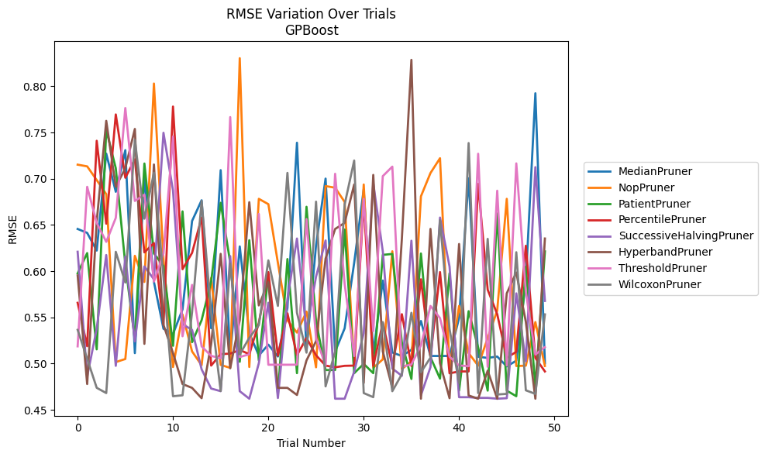
Trial | MedianPruner | NopPruner | PatientPruner | PercentilePruner | SuccessiveHalvingPruner | HyperbandPruner | ThresholdPruner | WilcoxonPruner
1 | 0.64562644048 | 0.71520685976 | 0.59755095067 | 0.56572335773 | 0.62098211257 | 0.59535479718 | 0.51861876054 | 0.53647001906
2 | 0.64138968616 | 0.71336952733 | 0.61951597708 | 0.51874031347 | 0.48590272541 | 0.47785122722 | 0.69123613956 | 0.50520823325
3 | 0.62225373959 | 0.69854085812 | 0.51535761767 | 0.74102580474 | 0.53769088346 | 0.65360870207 | 0.65226152714 | 0.47376149935
4 | 0.72714210916 | 0.68329947314 | 0.75284251387 | 0.65132238486 | 0.61744217128 | 0.76262516607 | 0.63167300556 | 0.46807517052
5 | 0.68585281155 | 0.50161704813 | 0.71133401325 | 0.76954198844 | 0.4975456351 | 0.69128112831 | 0.65764886409 | 0.62091770814
6 | 0.73091748244 | 0.50490942295 | 0.60736455079 | 0.70108241342 | 0.61591463468 | 0.71133401667 | 0.77652518754 | 0.58769369206
7 | 0.51124715299 | 0.61657563743 | 0.5259474108 | 0.72095868077 | 0.52400252012 | 0.75384529242 | 0.67592271231 | 0.74217555106
8 | 0.70216016869 | 0.58833250939 | 0.71643364895 | 0.62027311367 | 0.60508052354 | 0.52130643482 | 0.68271334949 | 0.65675458559
9 | 0.58839369362 | 0.80300235436 | 0.61922591933 | 0.6303754019 | 0.59120998905 | 0.71538168148 | 0.58866550571 | 0.70650767197
10 | 0.53766322519 | 0.61309755932 | 0.60559099662 | 0.54191053748 | 0.7497035164 | 0.5419032655 | 0.61906228213 | 0.59378255039
11 | 0.53195052056 | 0.49625167729 | 0.51919684785 | 0.77809150245 | 0.68708244432 | 0.51133197983 | 0.74573411862 | 0.46465120288
12 | 0.55866100571 | 0.55307575752 | 0.66465713396 | 0.60211598441 | 0.5424506144 | 0.47785122722 | 0.52953188492 | 0.4656611191
13 | 0.65427444107 | 0.51313087724 | 0.52314835532 | 0.61976098913 | 0.53654329605 | 0.47369068118 | 0.5851099632 | 0.55572672002
14 | 0.67665967287 | 0.49819444635 | 0.54691609914 | 0.65795478414 | 0.49375307983 | 0.46252019759 | 0.51861876054 | 0.67592271231
15 | 0.53820220011 | 0.59265867901 | 0.58867681107 | 0.49781186997 | 0.47299417767 | 0.52091873258 | 0.50833790097 | 0.55513716015
16 | 0.70925992529 | 0.49850832981 | 0.673967614 | 0.51016938836 | 0.47010883686 | 0.61869214971 | 0.50570080409 | 0.47034307467
17 | 0.50884841485 | 0.4953661519 | 0.60920821357 | 0.51078382669 | 0.61627572129 | 0.49492436346 | 0.76668022074 | 0.608170156
18 | 0.62672485524 | 0.83041004669 | 0.50190757355 | 0.51467500921 | 0.47010883686 | 0.5470414734 | 0.50704650318 | 0.51005465309
19 | 0.532790896 | 0.49627765312 | 0.63345558049 | 0.51013698638 | 0.46197015229 | 0.67460128299 | 0.51005465309 | 0.52786065471
20 | 0.50884841485 | 0.67822924507 | 0.50340402634 | 0.54377858591 | 0.50034004493 | 0.56290802339 | 0.66188016603 | 0.54157598763
21 | 0.52042241828 | 0.67245046864 | 0.59605489981 | 0.59900047328 | 0.565808901 | 0.58802889267 | 0.49872856045 | 0.61159484725
22 | 0.50760310163 | 0.60896088207 | 0.46654170263 | 0.50851108704 | 0.46271508275 | 0.47369068118 | 0.49872856045 | 0.56238893703
23 | 0.56030595275 | 0.54682496703 | 0.61311033099 | 0.55438364332 | 0.5697468683 | 0.47369068118 | 0.49872856045 | 0.70630518405
24 | 0.73894742438 | 0.53350517656 | 0.4895830133 | 0.50896462446 | 0.63529353912 | 0.46600914657 | 0.49876527235 | 0.55504467867
25 | 0.51385814038 | 0.55621823055 | 0.66964187136 | 0.52768819471 | 0.535576283 | 0.50342112115 | 0.6563678142 | 0.51178934838
26 | 0.62804516359 | 0.49593837554 | 0.54572040616 | 0.50896462446 | 0.59401380558 | 0.52422550423 | 0.52764319811 | 0.67518621473
27 | 0.70012383451 | 0.69204198109 | 0.49299473215 | 0.49779326729 | 0.63319878883 | 0.61359829412 | 0.49800180613 | 0.47529480903
28 | 0.51292769735 | 0.69027013895 | 0.49299473215 | 0.49596803824 | 0.46197015229 | 0.64560308931 | 0.70534726656 | 0.51296237021
29 | 0.53810931461 | 0.6748674973 | 0.64506850457 | 0.4975456351 | 0.46197015229 | 0.65220263855 | 0.58630537695 | 0.67210068997
30 | 0.60902032536 | 0.49770242437 | 0.4895830133 | 0.49779326729 | 0.49119246328 | 0.69375754469 | 0.50807764532 | 0.71967341957
31 | 0.68855911662 | 0.69372587817 | 0.49967653006 | 0.67531146853 | 0.53291780278 | 0.47905020171 | 0.67822924507 | 0.46807517052
32 | 0.51086579978 | 0.4953661519 | 0.4895830133 | 0.4975456351 | 0.69517906923 | 0.70411272342 | 0.53509097655 | 0.46364385529
33 | 0.58981182878 | 0.50457283804 | 0.61760198647 | 0.5440017722 | 0.6214432593 | 0.51313087724 | 0.70279945124 | 0.54488132299
34 | 0.51195646586 | 0.62147978022 | 0.61860216168 | 0.4975456351 | 0.49461629987 | 0.4738802077 | 0.71307234698 | 0.47011261278
35 | 0.50820396041 | 0.49401984863 | 0.52291984408 | 0.55341415994 | 0.48672351799 | 0.63500829548 | 0.49651172939 | 0.48851823083
36 | 0.51481302695 | 0.50242894456 | 0.48333283128 | 0.4975456351 | 0.63289675277 | 0.82860216257 | 0.4990891773 | 0.55491508183
37 | 0.54605176027 | 0.68095161563 | 0.619086622 | 0.59119609216 | 0.46564538979 | 0.46197015229 | 0.51955034812 | 0.49059214442
38 | 0.50820396041 | 0.70614510549 | 0.50678146197 | 0.50690378423 | 0.49612752073 | 0.64569196014 | 0.56234787869 | 0.50638360371
39 | 0.50820396041 | 0.72216441416 | 0.48375202242 | 0.5989791734 | 0.65795478414 | 0.50034004493 | 0.5491483872 | 0.65508926005
40 | 0.50820396041 | 0.4953661519 | 0.5977168544 | 0.48943799246 | 0.60496277539 | 0.46252019759 | 0.50731049116 | 0.53735720583
41 | 0.54924983868 | 0.56234787869 | 0.4707093052 | 0.49147104697 | 0.46359944453 | 0.62937990706 | 0.49800180613 | 0.47906230682
42 | 0.70053206347 | 0.51133197983 | 0.5566620749 | 0.49147104697 | 0.46359944453 | 0.46547739801 | 0.49711813572 | 0.73857498927
43 | 0.50732222299 | 0.49770242437 | 0.51725725371 | 0.69443152236 | 0.46287637532 | 0.46197015229 | 0.72700973981 | 0.46807517052
44 | 0.50613618477 | 0.52750394738 | 0.4707093052 | 0.57991370392 | 0.46287637532 | 0.49231649688 | 0.4964660928 | 0.63492741681
45 | 0.50760310163 | 0.55756010932 | 0.66234385856 | 0.55341693553 | 0.46197015229 | 0.46197015229 | 0.6869979106 | 0.46654170263
46 | 0.4968962871 | 0.67822924507 | 0.4707093052 | 0.50629501334 | 0.46252019759 | 0.5759591614 | 0.49800180613 | 0.46720652908
47 | 0.5031214623 | 0.49733658189 | 0.46465120288 | 0.51270631113 | 0.5759591614 | 0.59851918293 | 0.71658124906 | 0.62044985006
48 | 0.58926780478 | 0.49771328269 | 0.60479357899 | 0.62746576017 | 0.50247198924 | 0.54516748619 | 0.57744642097 | 0.4710481559
49 | 0.79246273647 | 0.54488132299 | 0.47486138672 | 0.50613618477 | 0.71250987842 | 0.46197015229 | 0.50975918833 | 0.46720652908
50 | 0.5002139716 | 0.49741084978 | 0.62134335079 | 0.49147104697 | 0.56776242916 | 0.63529353912 | 0.51775609961 | 0.55318685511

RMSE_Trials_CatBoost
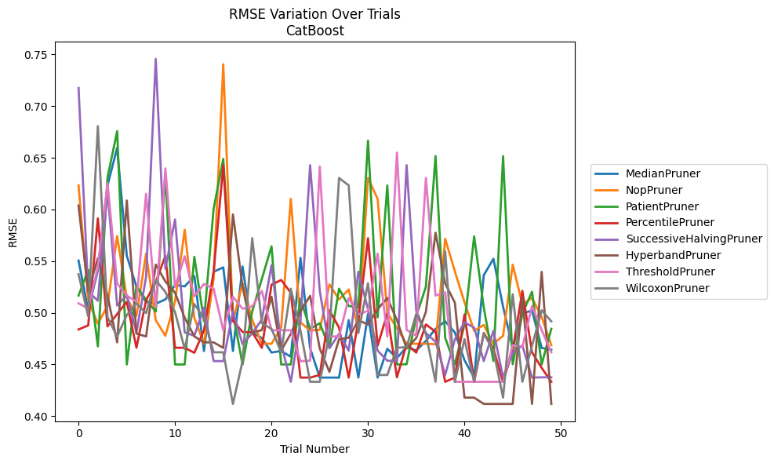
Trial | MedianPruner | NopPruner | PatientPruner | PercentilePruner | SuccessiveHalvingPruner | HyperbandPruner | ThresholdPruner | WilcoxonPruner
1 | 0.55051815768 | 0.62339029337 | 0.51664736119 | 0.48385078193 | 0.71758291159 | 0.6037978639 | 0.50906935978 | 0.53740981525
2 | 0.50259548456 | 0.51186775303 | 0.54142143213 | 0.48775573771 | 0.52057885582 | 0.52036668652 | 0.50424047492 | 0.49650869823
3 | 0.54094217238 | 0.48949494782 | 0.46750352774 | 0.59136313983 | 0.51167298632 | 0.55276263204 | 0.54412698223 | 0.68060211726
4 | 0.62316340205 | 0.50654420233 | 0.63085790613 | 0.48681981573 | 0.61846918393 | 0.5166967101 | 0.62550899052 | 0.49584257708
5 | 0.65959033665 | 0.57417274939 | 0.67572135938 | 0.49881615098 | 0.50693602519 | 0.47137097754 | 0.52835653636 | 0.4768849384
6 | 0.55515853514 | 0.51457530784 | 0.44996951768 | 0.51060096143 | 0.51718817447 | 0.60865212948 | 0.51659475354 | 0.49775686503
7 | 0.52522074314 | 0.49716595993 | 0.52569088851 | 0.4661542983 | 0.48102838321 | 0.47979175839 | 0.51067613693 | 0.5090321886
8 | 0.51051879587 | 0.55719197579 | 0.51256355189 | 0.51219342598 | 0.53475119089 | 0.47709428777 | 0.61512714743 | 0.49969772329
9 | 0.50874982196 | 0.49285854269 | 0.50117649206 | 0.52962807125 | 0.74563349895 | 0.54660877157 | 0.50534351362 | 0.53146175921
10 | 0.51289653007 | 0.47769316935 | 0.63330304099 | 0.55513404491 | 0.54264458331 | 0.53032952288 | 0.63973276127 | 0.5201526692
11 | 0.52688553965 | 0.51107449911 | 0.44996951768 | 0.4661542983 | 0.59030110561 | 0.51937658838 | 0.52500368514 | 0.50059726377
12 | 0.52553681429 | 0.58030183515 | 0.44996951768 | 0.46615358717 | 0.48102838321 | 0.49520528085 | 0.55467523534 | 0.4650676585
13 | 0.53549006087 | 0.49510868796 | 0.55419043526 | 0.46125935661 | 0.47769316935 | 0.47709428777 | 0.51585193916 | 0.50843747511
14 | 0.4630177987 | 0.47004215257 | 0.49179413394 | 0.48294124676 | 0.50500296521 | 0.47137097754 | 0.52789922142 | 0.49446343294
15 | 0.53966332494 | 0.53288517825 | 0.60071478571 | 0.53966332494 | 0.45324042261 | 0.47137097754 | 0.52327955923 | 0.46175597249
16 | 0.54393402395 | 0.74049898739 | 0.64895774633 | 0.64282959798 | 0.45324042261 | 0.46600414331 | 0.48304302623 | 0.46175606396
17 | 0.4630177987 | 0.49186088334 | 0.49958160517 | 0.4921998014 | 0.50142289475 | 0.59516710269 | 0.51556525232 | 0.41180700033
18 | 0.54474912387 | 0.52836137701 | 0.44996951593 | 0.48139545796 | 0.46965294356 | 0.52533241256 | 0.50391128728 | 0.45331809575
19 | 0.48081179297 | 0.49305202114 | 0.50142289475 | 0.48116200883 | 0.48021251382 | 0.48068626487 | 0.50608554089 | 0.57221933763
20 | 0.475555662 | 0.47004215257 | 0.53282634841 | 0.46600414331 | 0.49339713926 | 0.48325653212 | 0.52114402817 | 0.48986843316
21 | 0.46152899485 | 0.47004215257 | 0.56430177761 | 0.5271515779 | 0.54615586012 | 0.51545214574 | 0.48304302623 | 0.4844480084
22 | 0.4630177987 | 0.48560562229 | 0.44996951593 | 0.53172375922 | 0.46965294356 | 0.46352906863 | 0.48304302623 | 0.46175597249
23 | 0.45748432287 | 0.61020090759 | 0.44996951593 | 0.51937658838 | 0.43320738281 | 0.47968534809 | 0.48304302623 | 0.52325238201
24 | 0.55314457823 | 0.4906501163 | 0.51357281298 | 0.43726645163 | 0.49186088334 | 0.50153257422 | 0.45324042261 | 0.48280912348
25 | 0.46572122882 | 0.48286917243 | 0.48444997432 | 0.43726645163 | 0.64282959798 | 0.51637354765 | 0.45357808063 | 0.43320738281
26 | 0.43726645163 | 0.48347875664 | 0.48991935449 | 0.4397873161 | 0.52119312404 | 0.46541152026 | 0.64159402483 | 0.43320738281
27 | 0.43726645163 | 0.52748387533 | 0.4661542983 | 0.50230953213 | 0.46565530248 | 0.44284292827 | 0.47709428777 | 0.47892308944
28 | 0.43726645163 | 0.51289653007 | 0.52327955923 | 0.48560562229 | 0.47961214939 | 0.47447245653 | 0.47709428777 | 0.63042880018
29 | 0.49287621988 | 0.52254628177 | 0.50660000005 | 0.43726645163 | 0.46331702931 | 0.47580651382 | 0.51428646133 | 0.62323727668
30 | 0.43726645163 | 0.48364982513 | 0.50510195129 | 0.49287621988 | 0.53970220226 | 0.49281470613 | 0.49846401803 | 0.48033857136
31 | 0.49881615098 | 0.63042880018 | 0.66662023887 | 0.57213534449 | 0.50333020543 | 0.48860600774 | 0.50177522698 | 0.52855412664
32 | 0.43726645163 | 0.61020090759 | 0.4956319328 | 0.46823883677 | 0.46331702931 | 0.5034952741 | 0.55719197579 | 0.4397873161
33 | 0.46512863644 | 0.49995927759 | 0.62323727668 | 0.49903812649 | 0.45361847989 | 0.51428665902 | 0.47709428777 | 0.4397873161
34 | 0.45618446965 | 0.48510252546 | 0.44996951593 | 0.43753157732 | 0.45324042261 | 0.49287621988 | 0.65497321485 | 0.46615358717
35 | 0.46679053544 | 0.47004215257 | 0.45019707915 | 0.46965294356 | 0.64282529199 | 0.46541152026 | 0.4833710848 | 0.46674665269
36 | 0.46352906863 | 0.47004215257 | 0.4965120521 | 0.46146587256 | 0.50203520445 | 0.475555662 | 0.47801685677 | 0.49903812649
37 | 0.47282411143 | 0.47004215257 | 0.52523983346 | 0.48868521277 | 0.48033857136 | 0.50084029203 | 0.63042880018 | 0.47961214939
38 | 0.48441505359 | 0.46953732811 | 0.65159625051 | 0.48167983731 | 0.47204094124 | 0.57750698369 | 0.51664736119 | 0.43320738281
39 | 0.49179413394 | 0.57156093118 | 0.47580651382 | 0.43320122885 | 0.4397873161 | 0.52829844448 | 0.51971857762 | 0.55939310734
40 | 0.48102838321 | 0.54017082146 | 0.44996951593 | 0.43726645163 | 0.47412845569 | 0.50987913583 | 0.43320122798 | 0.43320738281
41 | 0.45407170638 | 0.51023646284 | 0.48860600774 | 0.49836636695 | 0.49077818271 | 0.41788332941 | 0.43320122798 | 0.47447245653
42 | 0.43726645163 | 0.48254644612 | 0.57403581962 | 0.43320122885 | 0.48560562229 | 0.41788332941 | 0.43320122798 | 0.43320738281
43 | 0.53641618697 | 0.48820988247 | 0.50499144455 | 0.48044471993 | 0.45324042261 | 0.41180700033 | 0.43320122798 | 0.47961214939
44 | 0.55224947346 | 0.47004215257 | 0.45332966079 | 0.46512863644 | 0.48254872941 | 0.41177028012 | 0.43320122798 | 0.46352888527
45 | 0.50574774285 | 0.47769316935 | 0.65159625051 | 0.43320122885 | 0.43753157732 | 0.41177028012 | 0.43320122798 | 0.41788332941
46 | 0.46615358717 | 0.54649714494 | 0.45019707915 | 0.46352906863 | 0.46144793106 | 0.41177028012 | 0.46866035642 | 0.51784969002
47 | 0.49903812649 | 0.5081460725 | 0.49913702101 | 0.52117583719 | 0.46823883677 | 0.51488533306 | 0.46679053544 | 0.43320738281
48 | 0.50230953213 | 0.51435210972 | 0.52036668652 | 0.46175606396 | 0.43726645163 | 0.41180700033 | 0.50660000005 | 0.46792066641
49 | 0.46600414331 | 0.49602706906 | 0.44996951593 | 0.44666581167 | 0.43753157732 | 0.53957908422 | 0.48325653212 | 0.50237305747
50 | 0.46424276819 | 0.46856971718 | 0.48444997432 | 0.43320122798 | 0.43753157732 | 0.41180700033 | 0.4616999667 | 0.49167649953

RMSE_Trials_NGBoost
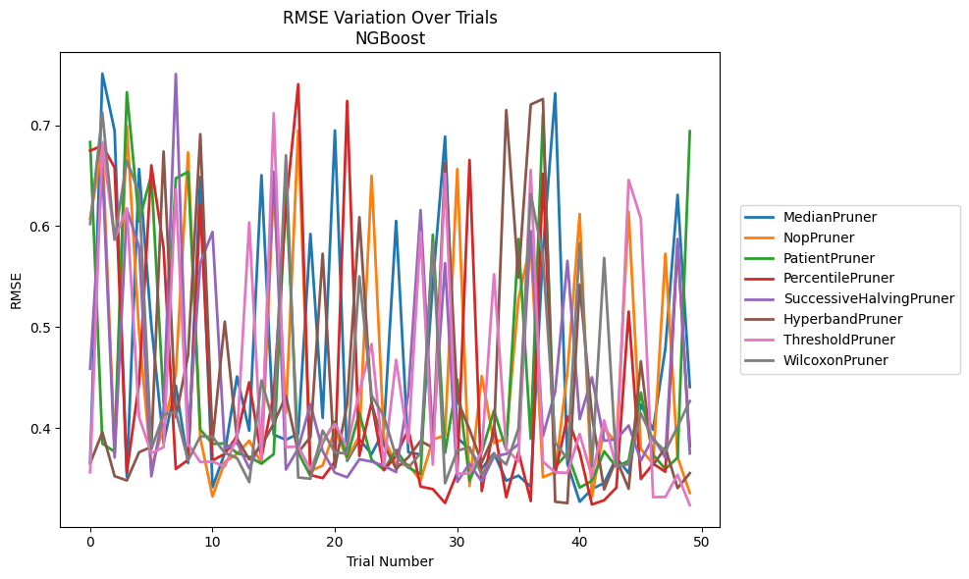
Trial | MedianPruner | NopPruner | PatientPruner | PercentilePruner | SuccessiveHalvingPruner | HyperbandPruner | ThresholdPruner | WilcoxonPruner
1 | 0.36602293479 | 0.60741146578 | 0.68340664698 | 0.67488781658 | 0.45876707202 | 0.36484916438 | 0.3559789768 | 0.60223010526
2 | 0.75119187947 | 0.67933747828 | 0.38451298321 | 0.67990564857 | 0.65700577867 | 0.39567974146 | 0.68354187464 | 0.71227601977
3 | 0.69472621058 | 0.37827661246 | 0.37642133129 | 0.65811833779 | 0.37067647752 | 0.35215076697 | 0.58688731756 | 0.58672522254
4 | 0.35168103868 | 0.69930727544 | 0.73284257616 | 0.35618584988 | 0.61652981102 | 0.34793321184 | 0.61779610771 | 0.66513945514
5 | 0.6566838324 | 0.49481438303 | 0.60475509266 | 0.44508408093 | 0.57963547787 | 0.37590734388 | 0.41070526887 | 0.63273651839
6 | 0.50181129143 | 0.36083793182 | 0.65106448607 | 0.66034530898 | 0.35198323525 | 0.38118818595 | 0.37502015032 | 0.37887207089
7 | 0.38495913709 | 0.40081293882 | 0.42543740941 | 0.57837570537 | 0.41704698653 | 0.67404150218 | 0.38079782304 | 0.41343293854
8 | 0.4418846787 | 0.45289780466 | 0.6474771378 | 0.35934297925 | 0.75085612 | 0.41056131276 | 0.6367930013 | 0.41583761043
9 | 0.36521240163 | 0.67306957698 | 0.65381799221 | 0.36822659177 | 0.39086486391 | 0.47201182936 | 0.38404206281 | 0.36765727361
10 | 0.64875496681 | 0.39015483034 | 0.39835356211 | 0.62129827372 | 0.56361117605 | 0.69122351417 | 0.36615645256 | 0.39158924526
11 | 0.34119357723 | 0.33207388997 | 0.38419062904 | 0.36774509571 | 0.59428381363 | 0.38698252295 | 0.36651097996 | 0.39118197089
12 | 0.37511959519 | 0.36634734745 | 0.38464967505 | 0.37430133759 | 0.37934534659 | 0.50541265969 | 0.36165171606 | 0.37524721759
13 | 0.45093544162 | 0.37416052148 | 0.3751609092 | 0.39201932184 | 0.38554768058 | 0.3895641273 | 0.39082392412 | 0.37013567755
14 | 0.39718860243 | 0.38735162865 | 0.37115385973 | 0.44527136557 | 0.35987286386 | 0.36882384174 | 0.60373012872 | 0.34630315656
15 | 0.65057215066 | 0.36478851377 | 0.36456906687 | 0.37060256737 | 0.38743411445 | 0.3821392985 | 0.36842569896 | 0.44709235647
16 | 0.39325371902 | 0.63874900986 | 0.37407488313 | 0.43293438504 | 0.65402223635 | 0.40438731878 | 0.71198372961 | 0.40429848552
17 | 0.38826660418 | 0.41497699331 | 0.63648521255 | 0.61952867563 | 0.35878812389 | 0.43181073149 | 0.38105976991 | 0.67023080768
18 | 0.39403844912 | 0.69480909484 | 0.37564136886 | 0.74073695364 | 0.37957702356 | 0.37567128727 | 0.38144879967 | 0.35087186391
19 | 0.59233539722 | 0.35726782108 | 0.35236007904 | 0.35329783046 | 0.42364491307 | 0.39083072903 | 0.35898916493 | 0.34961654605
20 | 0.40995677239 | 0.36268134655 | 0.38535241669 | 0.35020913482 | 0.37695803594 | 0.57269800529 | 0.38778409365 | 0.39729174496
21 | 0.69492135429 | 0.3985766317 | 0.40629677391 | 0.36658179847 | 0.3555712722 | 0.36058553604 | 0.40403299106 | 0.37556443928
22 | 0.36746115851 | 0.36936171977 | 0.37110056738 | 0.72413693033 | 0.35102564982 | 0.42388693757 | 0.38142188484 | 0.37469310358
23 | 0.38868619323 | 0.39203201764 | 0.41489939282 | 0.37220564184 | 0.36888558585 | 0.60892707766 | 0.43598077811 | 0.55020095164
24 | 0.37405173138 | 0.64993324123 | 0.3684291702 | 0.42529766871 | 0.36658888627 | 0.42368021539 | 0.48316442149 | 0.43200354684
25 | 0.39750679101 | 0.39002433736 | 0.35849845438 | 0.35800213195 | 0.36251117531 | 0.38347442981 | 0.36261287795 | 0.41178455001
26 | 0.60520140092 | 0.36384636935 | 0.37813280876 | 0.37241255544 | 0.35619658558 | 0.35955492569 | 0.46742787082 | 0.37135821961
27 | 0.37592266801 | 0.363631488 | 0.36078545248 | 0.39849140027 | 0.43389026647 | 0.37088652339 | 0.3851059164 | 0.36052579367
28 | 0.37361680616 | 0.34775045302 | 0.35399851444 | 0.34180388406 | 0.61592722757 | 0.38700960775 | 0.59411209462 | 0.37502945666
29 | 0.54255174628 | 0.38838806617 | 0.59151817006 | 0.33934231219 | 0.3876901758 | 0.38049080572 | 0.36365461336 | 0.58382609941
30 | 0.68886981679 | 0.39269165276 | 0.37536457348 | 0.3255568804 | 0.56333556023 | 0.66283254035 | 0.65210392818 | 0.34513875535
31 | 0.39026186011 | 0.65660588825 | 0.44832557307 | 0.35591562154 | 0.34654020092 | 0.42807262913 | 0.35457475582 | 0.37753890451
32 | 0.3788344034 | 0.34227637676 | 0.34772052523 | 0.66564601329 | 0.36459981559 | 0.3983883281 | 0.35483450247 | 0.38082416249
33 | 0.35985039953 | 0.45138961561 | 0.37600448765 | 0.33739723471 | 0.34686573076 | 0.36573877756 | 0.37646958352 | 0.35349322108
34 | 0.37489633038 | 0.38504272112 | 0.41721834391 | 0.40177922999 | 0.37171121829 | 0.39319726633 | 0.55237956551 | 0.37431885763
35 | 0.34763663597 | 0.38986184315 | 0.37827804681 | 0.33130801906 | 0.37422931301 | 0.71512545043 | 0.3792144228 | 0.36370285995
36 | 0.35267496908 | 0.5279567297 | 0.58731030957 | 0.37619721402 | 0.38385791572 | 0.54897757642 | 0.36674861589 | 0.39926134061
37 | 0.34162929504 | 0.58309012818 | 0.38924640784 | 0.32742130743 | 0.59516384144 | 0.72064151611 | 0.65574573516 | 0.63184006734
38 | 0.57547411894 | 0.35109018737 | 0.71134810165 | 0.65204357964 | 0.39215630651 | 0.72608500435 | 0.36639928085 | 0.56986847422
39 | 0.73173963807 | 0.3562524431 | 0.36109283599 | 0.35481403255 | 0.43600211413 | 0.32678888418 | 0.35599382465 | 0.3854990366
40 | 0.36423569193 | 0.45585416259 | 0.37486288006 | 0.41121084048 | 0.56556219664 | 0.32543001699 | 0.35534716884 | 0.36924975296
41 | 0.32681109237 | 0.61213300576 | 0.34082077198 | 0.3758728253 | 0.40865828128 | 0.5421337705 | 0.39404504406 | 0.58312908218
42 | 0.33932842606 | 0.33146144201 | 0.34742329554 | 0.32408309441 | 0.45017927776 | 0.41234751401 | 0.35166061551 | 0.36201667285
43 | 0.345372932 | 0.39939547508 | 0.37679785497 | 0.32826243981 | 0.38724632938 | 0.33896919347 | 0.40750123827 | 0.56854734257
44 | 0.37036464546 | 0.38525921189 | 0.36123246468 | 0.34077263861 | 0.38873090525 | 0.36921165529 | 0.361030878 | 0.36205898609
45 | 0.35508184348 | 0.61426312244 | 0.3674387337 | 0.51536861751 | 0.40241915136 | 0.33964327276 | 0.64586627726 | 0.36401075533
46 | 0.42323033071 | 0.37912673811 | 0.43502262038 | 0.34932642118 | 0.36755586697 | 0.46595005655 | 0.60758956452 | 0.41449112974
47 | 0.39826774121 | 0.36429138669 | 0.37337116351 | 0.3645403157 | 0.39071690295 | 0.36301055662 | 0.33134902659 | 0.38856162841
48 | 0.47858700511 | 0.57279391183 | 0.35918946414 | 0.35649671846 | 0.37037141362 | 0.38035106758 | 0.33157819355 | 0.37687577237
49 | 0.63112160318 | 0.37107775653 | 0.3705387362 | 0.58189803764 | 0.58742078051 | 0.34031209407 | 0.35353591756 | 0.40143292483
50 | 0.44058354321 | 0.33543251883 | 0.69416287062 | 0.38196476343 | 0.37474604715 | 0.35512780457 | 0.32342194921 | 0.42656902387

RMSE_Trials_TabNet
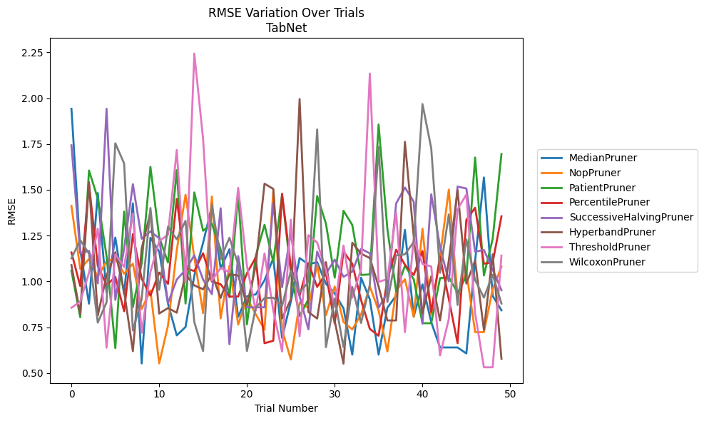
Trial | MedianPruner | NopPruner | PatientPruner | PercentilePruner | SuccessiveHalvingPruner | HyperbandPruner | ThresholdPruner | WilcoxonPruner
1 | 1.9420112624 | 1.4123043478 | 1.0585494354 | 1.158173555 | 1.7428984656 | 1.0891262701 | 0.85660400262 | 1.1265902317
2 | 1.172117545 | 1.0687667641 | 0.80501409938 | 0.97480245194 | 1.1541424867 | 0.82222256273 | 0.89015927835 | 1.2257383727
3 | 0.87898308536 | 1.1224270372 | 1.6054034022 | 1.5323665287 | 1.1669575748 | 1.5417097824 | 1.0476384864 | 1.1518399452
4 | 1.4822175936 | 1.0250184938 | 1.4525853722 | 1.0851092083 | 0.98925041519 | 0.81374084227 | 1.2880680805 | 0.77572763862
5 | 0.93927030845 | 1.1110957938 | 1.1384589469 | 0.9803297964 | 1.9420211688 | 1.0319613789 | 0.63858435871 | 0.88585482389
6 | 1.2392294514 | 1.125369998 | 0.63649462352 | 1.0245895272 | 0.89952255822 | 1.1594443287 | 1.1478259674 | 1.7537186237
7 | 0.93143051163 | 1.0423802675 | 1.3811424261 | 0.83753507487 | 1.1787448517 | 0.94669856226 | 1.0786602709 | 1.6439767703
8 | 1.4263028711 | 1.0971693114 | 0.86063659262 | 1.2580410073 | 1.5305742614 | 0.61965933867 | 1.3701296056 | 0.73272990448
9 | 0.55285529607 | 0.84940232149 | 1.0978605183 | 1.0145569238 | 1.2331326845 | 1.1792074572 | 0.72077945945 | 0.90347777286
10 | 1.2381396638 | 0.95145986964 | 1.6251226881 | 0.92281494587 | 1.2727845018 | 1.3790422915 | 1.0518029635 | 1.4008899504
11 | 1.1629704775 | 0.553247492 | 1.2417113946 | 1.0483704092 | 1.2361190239 | 0.82513596013 | 1.220126613 | 0.95449777857
12 | 0.87898308536 | 0.75932389219 | 1.1030894628 | 0.98683939809 | 0.88192276169 | 0.85524626583 | 1.254946108 | 1.2984834565
13 | 0.70578775332 | 1.1699994397 | 1.6070834435 | 1.4504832367 | 1.0106241298 | 0.82968522621 | 1.7170506562 | 1.2299378876
14 | 0.75182153883 | 1.473144131 | 0.87935210769 | 1.0732466895 | 1.0629745038 | 1.0383415367 | 0.9959259724 | 1.3307019963
15 | 1.0313973449 | 1.1303048839 | 1.4856103241 | 1.0565831269 | 1.1427618422 | 0.97854511609 | 2.2428313407 | 0.77829156147
16 | 1.2108129416 | 0.82721905893 | 1.2765816924 | 1.1541435328 | 1.0101788054 | 0.95757772239 | 1.7781025628 | 0.62067960315
17 | 1.4103911457 | 1.4630876772 | 1.3150679814 | 1.0000461235 | 0.93080452785 | 1.0393640974 | 1.0065482003 | 1.419427313
18 | 1.0711929268 | 0.79875453368 | 1.1740564316 | 0.9848103007 | 1.399273473 | 0.90987203703 | 1.072711118 | 1.1229391311
19 | 1.1755028405 | 1.0844445962 | 0.91413655689 | 0.91767999179 | 0.65751527479 | 1.0388036158 | 1.0514790913 | 1.2381927668
20 | 0.80609939342 | 0.76477662976 | 1.4774617313 | 0.91767999179 | 1.1386700648 | 1.0329464121 | 1.5105745193 | 1.093366632
21 | 0.91954179834 | 0.90987205765 | 0.76608911819 | 1.0450964869 | 0.85874108439 | 0.86999157983 | 1.0851646232 | 0.62067960315
22 | 0.92946672673 | 0.82160253108 | 1.1393305939 | 1.1303776453 | 0.85874108439 | 1.0847629197 | 0.84018007628 | 0.85758028598
23 | 1.0061983857 | 0.73679173135 | 1.3090720414 | 0.66322246743 | 0.85874108439 | 1.5332240719 | 1.1527588351 | 0.90947892732
24 | 1.1263965172 | 1.4973405572 | 1.106447891 | 0.6765311189 | 1.4277239524 | 1.5049632631 | 0.84018007628 | 0.91139063117
25 | 0.69211306163 | 0.73679173135 | 1.4720968653 | 1.4788009215 | 0.96876048895 | 0.79773386859 | 0.61837021195 | 0.86582450695
26 | 0.89052675127 | 0.57452499912 | 1.0486399308 | 1.0816938237 | 1.2680316637 | 0.90321745017 | 1.3365976947 | 1.0583642678
27 | 1.1276284086 | 0.8842175993 | 0.81175924367 | 0.92239413605 | 0.91990866101 | 1.9951156092 | 0.70124757381 | 0.94093456201
28 | 1.0937420604 | 0.85626781582 | 0.90242247586 | 1.0999284055 | 0.73924159641 | 0.83349574172 | 1.2526506685 | 0.99675325992
29 | 1.1051319723 | 1.0929625234 | 1.4659710112 | 0.97022635407 | 1.1629704775 | 0.79773386859 | 1.2123815028 | 1.8290977238
30 | 0.98754350272 | 0.81595536022 | 1.3153895257 | 1.0441756234 | 1.0423510252 | 1.105309229 | 1.0635515082 | 0.64177551189
31 | 0.93486062564 | 0.97224047282 | 1.0205185657 | 0.77019813322 | 1.1195023205 | 0.78445555992 | 0.86122777184 | 0.90663895031
32 | 0.85331427312 | 0.77892472041 | 1.3856654683 | 1.1633792662 | 1.0251694854 | 0.55181592021 | 1.1960737922 | 0.64177551189
33 | 0.6008105554 | 0.73814627931 | 1.3082062697 | 1.0966778521 | 1.0538715928 | 1.2111862717 | 0.9112665248 | 0.97000602376
34 | 1.0206255688 | 0.81970170801 | 1.0355827308 | 0.89891228334 | 1.1776645608 | 1.1518110889 | 1.0676303606 | 0.77365663048
35 | 0.90228226655 | 0.97289690816 | 1.0384346018 | 0.74131696382 | 1.1533429063 | 1.1277915226 | 2.1345120593 | 0.98137698651
36 | 0.6008105554 | 0.84171527112 | 1.8562187801 | 0.7039542153 | 0.85669615031 | 0.97279519474 | 0.99768452264 | 1.7330670142
37 | 0.85664294064 | 0.61858199051 | 1.2862835326 | 1.0122126246 | 0.93794391939 | 0.78740302145 | 1.0131942358 | 0.88823105183
38 | 0.92350613943 | 0.94997923394 | 0.94678393666 | 1.1733455909 | 1.4255612353 | 0.78740302145 | 1.3744613155 | 1.1421435737
39 | 1.2814735861 | 1.0119357051 | 1.085902458 | 1.0915214598 | 1.5124274109 | 1.7616219624 | 0.72320328332 | 1.1483050806
40 | 0.80875568322 | 0.80654208669 | 1.011772088 | 1.0349116798 | 1.4354712548 | 1.2451776623 | 1.2320827866 | 1.2146849725
41 | 0.98420063614 | 1.287633625 | 0.77222343532 | 1.165728993 | 0.76986307622 | 0.8267340352 | 1.0956807308 | 1.9675988881
42 | 0.77801737469 | 0.819241608 | 0.77222343532 | 0.8329635961 | 1.4754841275 | 1.0280663507 | 1.0815718238 | 1.7259557645
43 | 0.6399972553 | 1.1363382636 | 1.0182671921 | 1.1364357581 | 1.1889832414 | 0.78740302145 | 0.59682642944 | 1.0474310639
44 | 0.6399972553 | 1.5010379807 | 1.0234605603 | 0.90438999521 | 1.0008523667 | 1.1141723644 | 0.79505696724 | 1.3657691441
45 | 0.6399972553 | 0.91652168156 | 0.93879499268 | 0.66322246743 | 1.5175721651 | 1.4981438745 | 1.3934199724 | 0.8717689876
46 | 0.60727938967 | 1.0541394315 | 1.028210731 | 1.3358507853 | 1.5069747651 | 0.98864483947 | 1.4742627805 | 1.2291207312
47 | 1.1140083793 | 0.72344836942 | 1.6762502947 | 1.4022049143 | 1.1622584716 | 1.1140111244 | 0.82581408463 | 1.0080555606
48 | 1.567331322 | 0.72344836942 | 1.0329521949 | 1.0968755643 | 1.1718058965 | 0.73508121187 | 0.53184112314 | 0.9120333864
49 | 0.92160768642 | 0.95844760511 | 1.2322653702 | 1.1039077184 | 1.0649886132 | 1.1480265062 | 0.53184112314 | 1.0367976376
50 | 0.84249545582 | 1.0803453189 | 1.6950752106 | 1.3554017402 | 0.95251078816 | 0.57797716215 | 1.1410546543 | 0.8796604733

RMSE_Trials_HistGradientBoosting
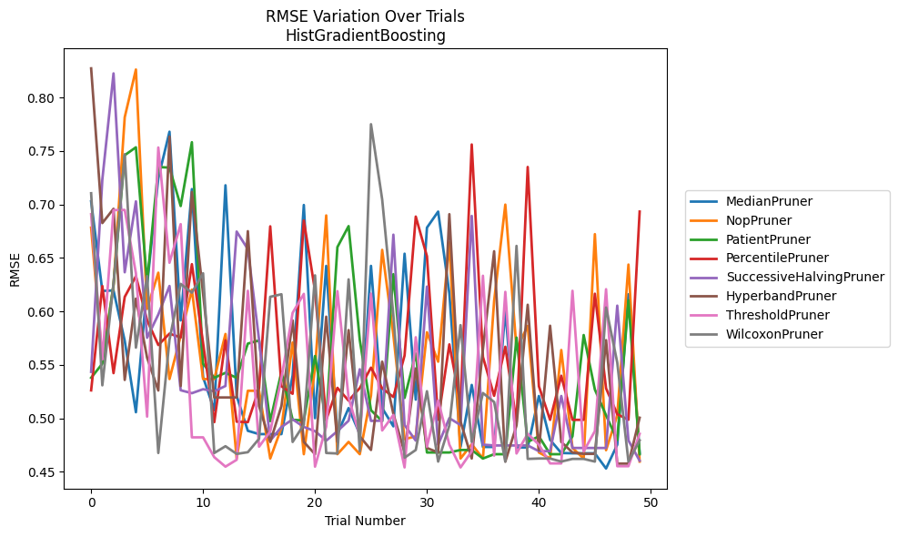
Trial | MedianPruner | NopPruner | PatientPruner | PercentilePruner | SuccessiveHalvingPruner | HyperbandPruner | ThresholdPruner | WilcoxonPruner
1 | 0.70293142606 | 0.67829774453 | 0.53792823681 | 0.52613747816 | 0.54347330803 | 0.82721364066 | 0.69087608802 | 0.71045304741
2 | 0.6191334416 | 0.55455786136 | 0.55109060089 | 0.62370876531 | 0.72329232198 | 0.68256490311 | 0.55501375072 | 0.53084704594
3 | 0.61952911868 | 0.624177584 | 0.62493229153 | 0.54225025261 | 0.82250335048 | 0.69593340783 | 0.69469623572 | 0.6260295274
4 | 0.57251793831 | 0.78151042686 | 0.74602314733 | 0.61353949543 | 0.6365593319 | 0.53591008324 | 0.69483441856 | 0.74695456658
5 | 0.50568634781 | 0.82612674217 | 0.75341352902 | 0.63281755467 | 0.7028570628 | 0.6119178486 | 0.63560095792 | 0.56609154664
6 | 0.62459889577 | 0.60235143625 | 0.6271399994 | 0.5916721835 | 0.57533468901 | 0.55664983807 | 0.50161320795 | 0.63299036421
7 | 0.72455680787 | 0.6361640972 | 0.73494158473 | 0.56853728788 | 0.597030515 | 0.52601643555 | 0.75323080035 | 0.46759995285
8 | 0.76798771997 | 0.53672292533 | 0.73442957352 | 0.57917684812 | 0.62373180836 | 0.76342857896 | 0.64545484908 | 0.57342111894
9 | 0.59151608159 | 0.57699932577 | 0.69850238245 | 0.57563364171 | 0.52623842702 | 0.53017269785 | 0.68156652133 | 0.6256736047
10 | 0.71432058833 | 0.62027876339 | 0.75817238575 | 0.64413610399 | 0.52349924777 | 0.71162470861 | 0.48221276607 | 0.61746054163
11 | 0.53851984431 | 0.53672292533 | 0.55106041678 | 0.57048305116 | 0.52722836704 | 0.61662647442 | 0.48221276607 | 0.63560095792
12 | 0.50762565447 | 0.53672292533 | 0.53792823681 | 0.49641349025 | 0.52523529633 | 0.51949903357 | 0.46367597348 | 0.46757313
13 | 0.71789768073 | 0.57886910082 | 0.54254119184 | 0.57292179115 | 0.53026095506 | 0.51949903357 | 0.45481428684 | 0.47391964623
14 | 0.52087263267 | 0.46242317085 | 0.53792823681 | 0.49683659377 | 0.67460449204 | 0.51949903357 | 0.46122318062 | 0.46674304823
15 | 0.48831761203 | 0.52576018018 | 0.56986727365 | 0.49641349025 | 0.65817586479 | 0.67498441803 | 0.61922257537 | 0.46832032127
16 | 0.48524035878 | 0.52576018018 | 0.57280959089 | 0.52802058406 | 0.57342111894 | 0.51149386388 | 0.47348930076 | 0.48088689225
17 | 0.48524035878 | 0.46242317085 | 0.49736814508 | 0.67950248469 | 0.4791175866 | 0.47794618736 | 0.48771420946 | 0.61362806291
18 | 0.48524035878 | 0.49110755358 | 0.54340365525 | 0.52996227118 | 0.49192394759 | 0.51149386388 | 0.5374928363 | 0.61598841126
19 | 0.54009459277 | 0.57089702999 | 0.49862876725 | 0.52294733794 | 0.49907090711 | 0.59155474721 | 0.59864924099 | 0.47792095538
20 | 0.6994628362 | 0.46645693834 | 0.4980022666 | 0.68496331509 | 0.49192394759 | 0.47794618736 | 0.61634107768 | 0.49402942205
21 | 0.50015299162 | 0.54667748765 | 0.55824479683 | 0.61932378641 | 0.48802299406 | 0.46645693834 | 0.45481428684 | 0.63368701959
22 | 0.64252388626 | 0.68970959944 | 0.4980022666 | 0.49865050525 | 0.4791175866 | 0.5950314049 | 0.49229464402 | 0.46759995285
23 | 0.48524035878 | 0.46645693834 | 0.66010016689 | 0.52852116717 | 0.48802299406 | 0.47794618736 | 0.61891931469 | 0.46714092175
24 | 0.50959035495 | 0.47794618736 | 0.67969076611 | 0.51654558217 | 0.49776569619 | 0.58248703571 | 0.51914772319 | 0.62991583935
25 | 0.48524035878 | 0.46645693834 | 0.57323157978 | 0.52830718503 | 0.54586693829 | 0.48319368989 | 0.48375324919 | 0.46931131203
26 | 0.64254062634 | 0.52137373341 | 0.50758324855 | 0.54737994759 | 0.49758974561 | 0.47039992508 | 0.61662647442 | 0.77499121181
27 | 0.50959035495 | 0.65748754819 | 0.4972958959 | 0.52802058406 | 0.49776569619 | 0.55295624095 | 0.48864816328 | 0.70464345499
28 | 0.49252043869 | 0.57787681167 | 0.63481784737 | 0.51995373587 | 0.67170697346 | 0.50409101911 | 0.50314876784 | 0.59629793886
29 | 0.65392359953 | 0.48049481145 | 0.51907541057 | 0.55874468817 | 0.49373091521 | 0.46805894868 | 0.45409002891 | 0.46320426135
30 | 0.51745950488 | 0.48319368989 | 0.56058101087 | 0.68862548125 | 0.4791175866 | 0.54667748765 | 0.57580105157 | 0.47039992508
31 | 0.67829774453 | 0.58044331916 | 0.46805894868 | 0.65151886904 | 0.62317070364 | 0.47228212912 | 0.4735393035 | 0.52533113313
32 | 0.6933112838 | 0.55295624095 | 0.46805894868 | 0.49865050525 | 0.47536906197 | 0.46805894868 | 0.51674576228 | 0.4595576705
33 | 0.61690911352 | 0.66451978031 | 0.46805894868 | 0.56913270817 | 0.50015299162 | 0.69087608802 | 0.47534230301 | 0.49331350258
34 | 0.47322252217 | 0.46242317085 | 0.47039992508 | 0.51371152829 | 0.49373091521 | 0.49701269077 | 0.45409002891 | 0.58711511079
35 | 0.53122654065 | 0.47576842624 | 0.47039992508 | 0.75605316369 | 0.68924260824 | 0.46242317085 | 0.46912224805 | 0.47794618736
36 | 0.47322252217 | 0.46242317085 | 0.46242317085 | 0.55739873402 | 0.47536906197 | 0.56468107477 | 0.63330720485 | 0.52364928352
37 | 0.47322252217 | 0.60964531028 | 0.46645693834 | 0.52107357073 | 0.47461992883 | 0.65621901969 | 0.46511340823 | 0.51524807761
38 | 0.60140720465 | 0.69983187029 | 0.46645693834 | 0.56691389565 | 0.47461992883 | 0.4595576705 | 0.61822824553 | 0.4595576705
39 | 0.47276720128 | 0.56468107477 | 0.57551870338 | 0.49641349025 | 0.47461992883 | 0.49331350258 | 0.46714092175 | 0.66120084389
40 | 0.47276720128 | 0.58640142692 | 0.47794618736 | 0.73501458969 | 0.47461992883 | 0.60618086689 | 0.48556143132 | 0.46205894599
41 | 0.52087263267 | 0.46805894868 | 0.48319368989 | 0.52996227118 | 0.46929472309 | 0.47019151444 | 0.47534230301 | 0.46242317085
42 | 0.47987931123 | 0.46242317085 | 0.46645693834 | 0.49857530435 | 0.46929472309 | 0.58657269353 | 0.45783998942 | 0.46242317085
43 | 0.46757313 | 0.56386492782 | 0.46645693834 | 0.53981648202 | 0.52087263267 | 0.47794618736 | 0.45783998942 | 0.4595576705
44 | 0.4673066322 | 0.47228212912 | 0.48319368989 | 0.49857530435 | 0.47228212912 | 0.46805894868 | 0.61922257537 | 0.46205894599
45 | 0.4673066322 | 0.46242317085 | 0.57787681167 | 0.49857530435 | 0.47228212912 | 0.46675493632 | 0.46912224805 | 0.46205894599
46 | 0.4673066322 | 0.67220894386 | 0.52692164691 | 0.61650012939 | 0.47228212912 | 0.46675493632 | 0.48802299406 | 0.4595576705
47 | 0.453081883 | 0.47019151444 | 0.5028254657 | 0.52802058406 | 0.47228212912 | 0.57308008682 | 0.62071079169 | 0.60357225134
48 | 0.47534230301 | 0.5028254657 | 0.47970088095 | 0.50386368672 | 0.60534374577 | 0.45762341868 | 0.45523704985 | 0.55219461531
49 | 0.61599948854 | 0.64376535334 | 0.61025946743 | 0.49865050525 | 0.47932193233 | 0.45762341868 | 0.45523704985 | 0.4595576705
50 | 0.4673066322 | 0.4595576705 | 0.46645693834 | 0.69329831959 | 0.46036193377 | 0.50056292372 | 0.48556143132 | 0.47932193233

RMSE_Trials_PGBM
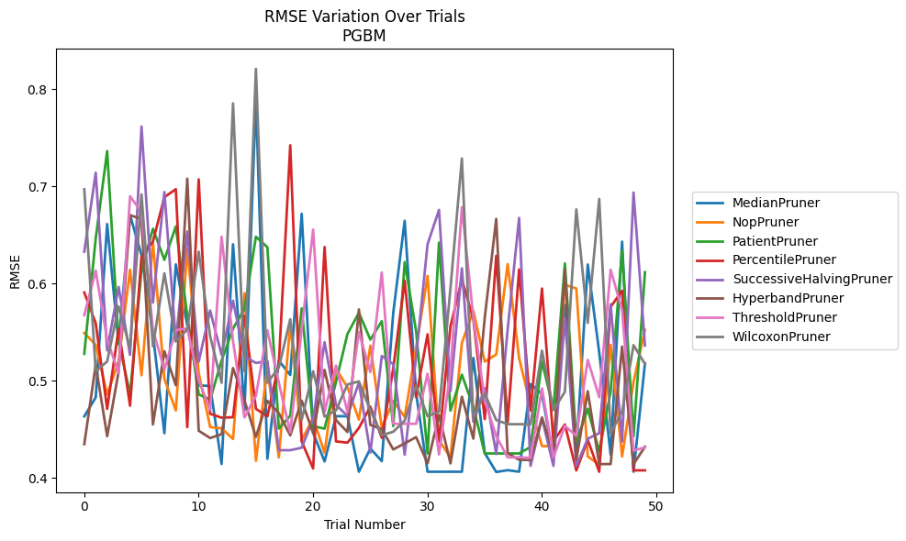
Trial | MedianPruner | NopPruner | PatientPruner | PercentilePruner | SuccessiveHalvingPruner | HyperbandPruner | ThresholdPruner | WilcoxonPruner
1 | 0.46329457799 | 0.54920429601 | 0.52772204062 | 0.59086143078 | 0.63279714651 | 0.4346739204 | 0.56748577777 | 0.69710675761
2 | 0.48282524571 | 0.53696369684 | 0.64665973388 | 0.55918517404 | 0.71414868124 | 0.51643899973 | 0.61340185155 | 0.50972576097
3 | 0.66127585967 | 0.48582304413 | 0.7364759168 | 0.47105283642 | 0.53116260759 | 0.44285905147 | 0.54231489714 | 0.51983327114
4 | 0.53815483538 | 0.52009210266 | 0.54076368604 | 0.55366006984 | 0.59656450066 | 0.50931197891 | 0.50769183864 | 0.5764499747
5 | 0.67053334415 | 0.61431760566 | 0.48595141482 | 0.47426584161 | 0.52655487694 | 0.6704187202 | 0.68989695099 | 0.53375010963
6 | 0.62933645651 | 0.50559181278 | 0.61380826314 | 0.62755449957 | 0.76170918676 | 0.66653169168 | 0.67370622315 | 0.69185204423
7 | 0.54808095755 | 0.64243257111 | 0.65650866744 | 0.64346529146 | 0.58038390337 | 0.45495595755 | 0.55229641194 | 0.53543609133
8 | 0.44594421218 | 0.5019165617 | 0.62450158646 | 0.68893230598 | 0.69426363202 | 0.53033295249 | 0.51135057981 | 0.61060167843
9 | 0.61981490379 | 0.46938485812 | 0.65880078029 | 0.69721871005 | 0.54113104715 | 0.49530693654 | 0.5520248842 | 0.54036895311
10 | 0.55727108114 | 0.63603329231 | 0.56676731893 | 0.45220959316 | 0.65357576032 | 0.70799362607 | 0.55385898429 | 0.55285216193
11 | 0.49521614914 | 0.50829097121 | 0.48595141482 | 0.70729785763 | 0.51960597843 | 0.44848491715 | 0.50049083638 | 0.63284658491
12 | 0.49457681989 | 0.45229275572 | 0.48044874464 | 0.46593244355 | 0.57221810099 | 0.4410013019 | 0.46967942455 | 0.54579160798
13 | 0.41427931439 | 0.45097346194 | 0.52081821133 | 0.46193158414 | 0.52655487694 | 0.44489316173 | 0.64824483694 | 0.49790635537
14 | 0.64043631715 | 0.44003442538 | 0.55363620326 | 0.46241779152 | 0.58236946993 | 0.51304729913 | 0.54074224469 | 0.78554588052
15 | 0.46922409941 | 0.5900926695 | 0.57418633285 | 0.56683643723 | 0.52494690427 | 0.47951687228 | 0.46221627477 | 0.50972576097
16 | 0.79099879713 | 0.41755293634 | 0.64826120379 | 0.47106465502 | 0.51825862216 | 0.4421311245 | 0.48446845097 | 0.82106730473
17 | 0.41957479789 | 0.51425437406 | 0.63746103958 | 0.46323416015 | 0.52036911561 | 0.47926443214 | 0.55191395471 | 0.49790635537
18 | 0.52067704724 | 0.42107388737 | 0.45066698742 | 0.51693336994 | 0.42845174942 | 0.46666332741 | 0.49804910445 | 0.51348260211
19 | 0.50589258005 | 0.55817506246 | 0.46393643823 | 0.74241773191 | 0.42845174942 | 0.44374511124 | 0.44685033739 | 0.56336600142
20 | 0.67188029357 | 0.43861040318 | 0.57451071449 | 0.43750369399 | 0.43104286957 | 0.47941129028 | 0.5528418996 | 0.45981383987
21 | 0.44626936588 | 0.46171680678 | 0.45326476271 | 0.40968113341 | 0.46063608346 | 0.44626936588 | 0.65564362365 | 0.50975943405
22 | 0.41693711382 | 0.42549772851 | 0.45063855445 | 0.63764947272 | 0.53967712528 | 0.51115138562 | 0.46787785838 | 0.463047187
23 | 0.46344642137 | 0.51224472173 | 0.49894836649 | 0.43750369399 | 0.47498187715 | 0.45939292576 | 0.51553303479 | 0.46945241158
24 | 0.46344232346 | 0.49329579323 | 0.54819750812 | 0.43624059343 | 0.46384936753 | 0.44716370485 | 0.46787785838 | 0.4961964803
25 | 0.40628378328 | 0.45997291239 | 0.57002382676 | 0.45135299755 | 0.49794601199 | 0.57341916604 | 0.55004401837 | 0.49926404069
26 | 0.43021397763 | 0.53604140775 | 0.5422885531 | 0.47334673803 | 0.42596723494 | 0.45450928252 | 0.5088692707 | 0.46945241158
27 | 0.4171948764 | 0.45143156308 | 0.56124847556 | 0.44118386739 | 0.52547845232 | 0.45021223009 | 0.6114205976 | 0.44386210177
28 | 0.56977744728 | 0.47912318779 | 0.45326476271 | 0.51251064238 | 0.517138022 | 0.42923226055 | 0.45564941912 | 0.44744324404
29 | 0.6646379989 | 0.46273531482 | 0.62210853742 | 0.60295129013 | 0.42374881562 | 0.43546206781 | 0.45564941912 | 0.45888091221
30 | 0.48686821478 | 0.53401958742 | 0.5508756532 | 0.48306279093 | 0.52441947042 | 0.44190644701 | 0.45564941912 | 0.49485378941
31 | 0.40628378328 | 0.6079031379 | 0.42509938946 | 0.54773427134 | 0.64049311377 | 0.4148713462 | 0.5071928236 | 0.46344642137
32 | 0.40628378328 | 0.43861040318 | 0.64212807023 | 0.43750369399 | 0.67588479187 | 0.46475348942 | 0.4241206983 | 0.46815358567
33 | 0.40628378328 | 0.42107388737 | 0.46917767329 | 0.55591743996 | 0.48939068097 | 0.4148713462 | 0.50918961056 | 0.59506435177
34 | 0.40628378328 | 0.53880628311 | 0.5062168625 | 0.60427377625 | 0.61573748122 | 0.4835369297 | 0.67858861447 | 0.72879804367
35 | 0.52344339585 | 0.57191244508 | 0.47300163501 | 0.56331477268 | 0.45768856109 | 0.44033945945 | 0.56536618481 | 0.46209127262
36 | 0.42542660859 | 0.51963847134 | 0.42509938946 | 0.46045802867 | 0.49228898905 | 0.5651822245 | 0.47961201961 | 0.48664792626
37 | 0.40602278452 | 0.52696321743 | 0.42509938946 | 0.62855076922 | 0.42451974079 | 0.66657915986 | 0.44284924716 | 0.45949222131
38 | 0.40789704466 | 0.61998875403 | 0.42509938946 | 0.45721576575 | 0.55277231367 | 0.42529866598 | 0.42109068014 | 0.45522340811
39 | 0.40629667296 | 0.52331604418 | 0.42509938946 | 0.6145532448 | 0.66765608888 | 0.4185827208 | 0.42109068014 | 0.45522340811
40 | 0.49649125889 | 0.4743092618 | 0.43178563272 | 0.46939354161 | 0.41233293174 | 0.41830702404 | 0.4206295905 | 0.45522340811
41 | 0.4863682258 | 0.43266022179 | 0.51993120505 | 0.59492919016 | 0.46143875823 | 0.46212729666 | 0.49203268576 | 0.53093070226
42 | 0.42079086276 | 0.43266022179 | 0.47049334545 | 0.43750369399 | 0.41233293174 | 0.42529866598 | 0.42109068014 | 0.46967942455
43 | 0.57812408732 | 0.59875906878 | 0.62078092699 | 0.4549435981 | 0.56450771516 | 0.61426693258 | 0.4534776436 | 0.48857597815
44 | 0.42659197471 | 0.59497869656 | 0.43700154442 | 0.40769144662 | 0.41233293174 | 0.41861736867 | 0.4433337643 | 0.67638758825
45 | 0.61963809048 | 0.42201131407 | 0.47106846983 | 0.43904043422 | 0.44033181146 | 0.489149725 | 0.52143457986 | 0.55955247125
46 | 0.52931895823 | 0.41362887091 | 0.42718945624 | 0.40629020387 | 0.44594421218 | 0.41417670166 | 0.48306279093 | 0.68711061394
47 | 0.42387538052 | 0.53694637944 | 0.48862638658 | 0.57601812513 | 0.57860684853 | 0.41417670166 | 0.61431760566 | 0.44623514467
48 | 0.64319871368 | 0.42201131407 | 0.63386783689 | 0.59265618054 | 0.43748228426 | 0.53509484017 | 0.57280042811 | 0.46801473246
49 | 0.40628378328 | 0.49865757995 | 0.44283933423 | 0.40769144662 | 0.69374077449 | 0.41417670166 | 0.42812340123 | 0.53663292312
50 | 0.51784393136 | 0.55233009953 | 0.61174696815 | 0.40768743075 | 0.53619314876 | 0.43198806821 | 0.43130007137 | 0.51726683262

