RMSE_Trials_Random Forest
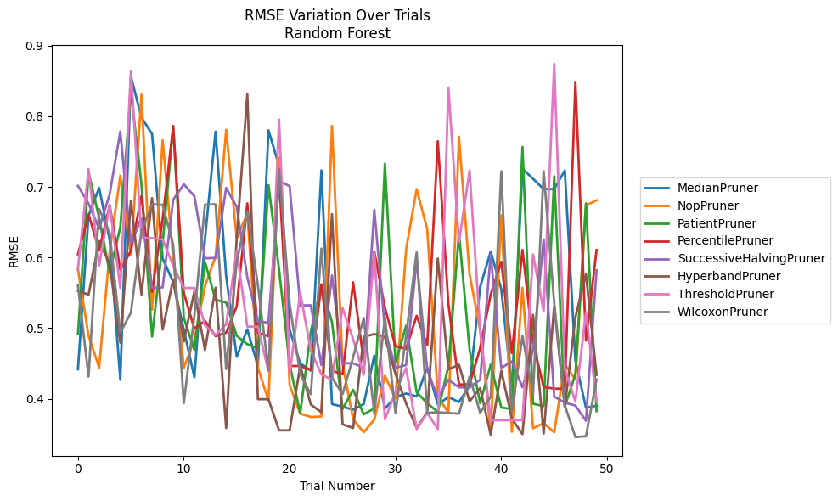
Trial | MedianPruner | NopPruner | PatientPruner | PercentilePruner | SuccessiveHalvingPruner | HyperbandPruner | ThresholdPruner | WilcoxonPruner
1 | 0.44175539143 | 0.58309146279 | 0.49134319624 | 0.60456065787 | 0.70138030902 | 0.55273075137 | 0.58351512048 | 0.5604008529
2 | 0.65906002557 | 0.48934920275 | 0.7201535502 | 0.66099155352 | 0.67634746561 | 0.54742428788 | 0.72521743966 | 0.43149775579
3 | 0.69863877364 | 0.44413030694 | 0.65613219378 | 0.60988090408 | 0.64061104166 | 0.62312630161 | 0.5885717626 | 0.66895588665
4 | 0.62436050681 | 0.60903912617 | 0.57798619684 | 0.67407605621 | 0.68992591862 | 0.59076335886 | 0.6743268902 | 0.63393149743
5 | 0.42688320765 | 0.71579703572 | 0.64312948173 | 0.58240125855 | 0.77825191723 | 0.47941740022 | 0.55690097875 | 0.49350224036
6 | 0.85659384917 | 0.6029088905 | 0.83563276432 | 0.60944352145 | 0.61862865028 | 0.68016030274 | 0.86409221731 | 0.52189670012
7 | 0.79798836679 | 0.83070215465 | 0.70362636286 | 0.68674242344 | 0.65650954452 | 0.54750850529 | 0.62782803702 | 0.6376609529
8 | 0.77489410466 | 0.52609773983 | 0.48802596633 | 0.551366089 | 0.55723852189 | 0.68415771215 | 0.62740503489 | 0.67531863168
9 | 0.59849733174 | 0.76595328037 | 0.61993648817 | 0.65455819883 | 0.55764579728 | 0.49791419442 | 0.62550746475 | 0.6746116435
10 | 0.56529680002 | 0.59916060986 | 0.78623826629 | 0.78583655715 | 0.68184514811 | 0.56909704637 | 0.58827887071 | 0.61810565933
11 | 0.49754921523 | 0.44399009516 | 0.51467569356 | 0.54977385691 | 0.70362636286 | 0.48124407606 | 0.55690097875 | 0.39377859329
12 | 0.43047320042 | 0.48374998675 | 0.46909911227 | 0.49930939486 | 0.68674242344 | 0.55208878963 | 0.55690097875 | 0.51781020716
13 | 0.62645438473 | 0.55992483086 | 0.59340136301 | 0.51028267321 | 0.59886137818 | 0.46888268185 | 0.50399772448 | 0.67484437799
14 | 0.77825191723 | 0.60115061015 | 0.5402609141 | 0.48861753989 | 0.5993583779 | 0.5572767979 | 0.49026758967 | 0.67531863168
15 | 0.57360185765 | 0.78084066199 | 0.53619612316 | 0.49343512903 | 0.69847020396 | 0.35864734297 | 0.50555000325 | 0.4421440903
16 | 0.45949725724 | 0.62697561957 | 0.48903575959 | 0.5309216761 | 0.67171057158 | 0.62782803702 | 0.60951113996 | 0.59340136301
17 | 0.49824209567 | 0.66192083056 | 0.47729689919 | 0.67664657506 | 0.57206615265 | 0.83137323498 | 0.5021333109 | 0.66513827163
18 | 0.44639901478 | 0.44399009516 | 0.47123057087 | 0.49343512903 | 0.5091204751 | 0.39938684061 | 0.5021333109 | 0.56057302285
19 | 0.78007423833 | 0.39717535005 | 0.7022813022 | 0.48848638429 | 0.50802412828 | 0.39938684061 | 0.43881172799 | 0.44061795328
20 | 0.72971337893 | 0.74144496398 | 0.58303164446 | 0.71548460771 | 0.70851902634 | 0.35535905016 | 0.79513889965 | 0.72494189787
21 | 0.49769088447 | 0.41952146653 | 0.44864973126 | 0.44644458771 | 0.70093097157 | 0.35535905016 | 0.43479117814 | 0.53439411851
22 | 0.45011171899 | 0.37893858572 | 0.37935212696 | 0.44644458771 | 0.53212726143 | 0.44667553946 | 0.55053345343 | 0.43441805711
23 | 0.43987798834 | 0.37427588314 | 0.49530714448 | 0.44078509567 | 0.53239543557 | 0.39191091973 | 0.46824398492 | 0.40656114554
24 | 0.72319245656 | 0.3749517486 | 0.56161097056 | 0.5620238085 | 0.44771100989 | 0.38089423555 | 0.43440188566 | 0.61265755954
25 | 0.39260343682 | 0.78623826629 | 0.50822906526 | 0.43994509418 | 0.57459429115 | 0.66142816542 | 0.42706806414 | 0.42988078749
26 | 0.38875577506 | 0.44931138388 | 0.38551560589 | 0.43462865449 | 0.45020002728 | 0.36384874386 | 0.52865444116 | 0.40656114554
27 | 0.384600355 | 0.37061769582 | 0.41277297268 | 0.56483093681 | 0.45020002728 | 0.35864734297 | 0.4842713443 | 0.45897844951
28 | 0.39250867539 | 0.35270102006 | 0.37797680218 | 0.45238640733 | 0.44399009516 | 0.48770584787 | 0.43384934772 | 0.51444075362
29 | 0.46121325868 | 0.37061769582 | 0.38641298554 | 0.60816780283 | 0.66751133916 | 0.49164018663 | 0.60587016165 | 0.37892626645
30 | 0.38616589443 | 0.4324893885 | 0.73279315682 | 0.52888735343 | 0.49815277791 | 0.48729473299 | 0.37090159774 | 0.51514152251
31 | 0.40253280365 | 0.40045761933 | 0.45090995937 | 0.47426838306 | 0.44399009516 | 0.43510203339 | 0.40920790126 | 0.38001906657
32 | 0.40744759371 | 0.61111953665 | 0.50343189595 | 0.47066173565 | 0.44771100989 | 0.39343230624 | 0.44350859734 | 0.48904278759
33 | 0.40341011996 | 0.69678442463 | 0.40940734804 | 0.51749941472 | 0.59666492499 | 0.35864734297 | 0.35715836734 | 0.60754341729
34 | 0.44447511371 | 0.63985358759 | 0.39361423294 | 0.47580167977 | 0.44072999436 | 0.38119747048 | 0.37986577113 | 0.38001906657
35 | 0.39219144625 | 0.40364311142 | 0.3814882739 | 0.76462844798 | 0.40159591036 | 0.59855909377 | 0.35715836734 | 0.38097345186
36 | 0.40239901982 | 0.37999685859 | 0.4461250256 | 0.5342222223 | 0.42688320765 | 0.44185069654 | 0.84027592194 | 0.38001906657
37 | 0.39531338256 | 0.7709753039 | 0.63403820632 | 0.42035730373 | 0.41619239951 | 0.44824552465 | 0.62159628547 | 0.37892626645
38 | 0.41857014012 | 0.57637674089 | 0.46983012161 | 0.42035730373 | 0.41619239951 | 0.39633585868 | 0.72313880273 | 0.43134918763
39 | 0.55841960752 | 0.49695263665 | 0.39389201039 | 0.47166620429 | 0.42688320765 | 0.4150671187 | 0.49804313221 | 0.38024041203
40 | 0.6084849333 | 0.35492312747 | 0.44831870746 | 0.54788600291 | 0.60430515598 | 0.34921365306 | 0.36955638112 | 0.40293065455
41 | 0.55499263104 | 0.65988337805 | 0.38761874877 | 0.59395835932 | 0.44365093823 | 0.43968578433 | 0.36955638112 | 0.72203949017
42 | 0.41432216196 | 0.35330584718 | 0.38548108705 | 0.4646579198 | 0.45290696573 | 0.37187720588 | 0.36961809456 | 0.38176976374
43 | 0.72554983662 | 0.55718569268 | 0.75659005787 | 0.61075071309 | 0.41619239951 | 0.35001172544 | 0.36961809456 | 0.48904278759
44 | 0.71143552816 | 0.35836440833 | 0.39296333527 | 0.4790979672 | 0.46920839235 | 0.51888196845 | 0.60437239165 | 0.40744759371
45 | 0.69678442463 | 0.36548567306 | 0.38968605116 | 0.41671220592 | 0.62547234877 | 0.35054501166 | 0.52376336957 | 0.72203949017
46 | 0.69678442463 | 0.35261709122 | 0.71505946897 | 0.4142989638 | 0.40304363543 | 0.5311702611 | 0.87412490077 | 0.53541100585
47 | 0.72319245656 | 0.44844532163 | 0.38899093902 | 0.4142989638 | 0.39458551478 | 0.38781333719 | 0.44224518102 | 0.39086135208
48 | 0.45424132545 | 0.42736041501 | 0.43480419227 | 0.84862664879 | 0.3904490173 | 0.51522295018 | 0.39608054898 | 0.34581355099
49 | 0.38723671689 | 0.67376250084 | 0.67664657506 | 0.4824093726 | 0.3688723326 | 0.57642082748 | 0.52270406548 | 0.34699659203
50 | 0.39031125629 | 0.68092128023 | 0.38259178961 | 0.61072736162 | 0.58169631301 | 0.43384934772 | 0.3961010399 | 0.42736041501

RMSE_Trials_Gradient Boosting
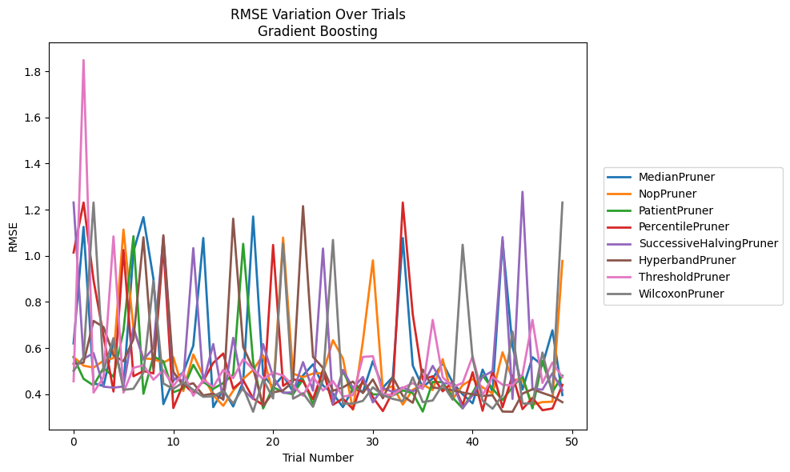
Trial | MedianPruner | NopPruner | PatientPruner | PercentilePruner | SuccessiveHalvingPruner | HyperbandPruner | ThresholdPruner | WilcoxonPruner
1 | 0.61983665706 | 0.56112550408 | 0.56033868897 | 1.0142123026 | 1.2310095919 | 0.53184039185 | 0.45579952167 | 0.50135200477
2 | 1.1252775523 | 0.52357508426 | 0.46648010862 | 1.2310438573 | 0.55301964362 | 0.53655606292 | 1.8487035218 | 0.56071322941
3 | 0.4473410062 | 0.51514498522 | 0.43768268001 | 0.89464711276 | 0.57817694085 | 0.71778408884 | 0.40671777786 | 1.2310095919
4 | 0.43539849462 | 0.54520804398 | 0.51362033125 | 0.65315507821 | 0.4324099222 | 0.69098794027 | 0.47342677406 | 0.50015381152
5 | 0.62410580993 | 0.55645695872 | 0.47549560419 | 0.41139293728 | 0.42820657401 | 0.5686750452 | 1.0842292439 | 0.64296963252
6 | 0.43334595551 | 1.1138722641 | 0.67478075413 | 1.0253622006 | 0.43317989735 | 0.54258339073 | 0.40680125986 | 0.41858314695
7 | 1.0183171041 | 0.68514020338 | 1.0847340591 | 0.47749162297 | 0.6891389053 | 0.63841519558 | 0.51426218877 | 0.42352694259
8 | 1.1677102918 | 0.55538510155 | 0.40169194269 | 0.50029459443 | 0.54961197361 | 1.0804512033 | 0.52499284923 | 0.49296683021
9 | 0.90114389927 | 0.55165071724 | 0.56323820825 | 0.49018812259 | 0.59917573848 | 0.50842301833 | 0.46269484292 | 0.89045027372
10 | 0.35669539912 | 0.53650234584 | 0.54283816885 | 1.0406757454 | 1.0798078867 | 1.0889395451 | 0.50441788178 | 0.44605944899
11 | 0.45940229087 | 0.56022486862 | 0.40811980531 | 0.33984566017 | 0.4676208197 | 0.49657157064 | 0.43449791321 | 0.42288297555
12 | 0.49530224493 | 0.41317158174 | 0.42460114684 | 0.44521659054 | 0.45907081733 | 0.43696565854 | 0.49439049023 | 0.45154615602
13 | 0.61067292882 | 0.57206468174 | 0.52709155822 | 0.4044534464 | 1.0332228216 | 0.44723534341 | 0.39299085663 | 0.4183654546
14 | 1.0772718684 | 0.47899016097 | 0.45334216043 | 0.45718228124 | 0.44960369631 | 0.39470451855 | 0.46283620222 | 0.38843313589
15 | 0.34386520081 | 0.39542396185 | 0.42339836664 | 0.53560115897 | 0.61717141065 | 0.40254940877 | 0.43103931028 | 0.39096817879
16 | 0.42007804893 | 0.34948767129 | 0.44806341746 | 0.57635152762 | 0.37497329764 | 0.37763149042 | 0.5054376198 | 0.41271330162
17 | 0.34643813862 | 0.41475747818 | 0.48525586109 | 0.42463408296 | 0.64420076825 | 1.1609480055 | 0.46956582553 | 0.35972912723
18 | 0.45402852932 | 0.46600148097 | 1.0518924356 | 0.4602206611 | 0.41845234243 | 0.60455644658 | 0.55175700936 | 0.42912162143
19 | 1.1705145083 | 0.50477725805 | 0.53882776538 | 0.38147560034 | 0.37858914198 | 0.51095304921 | 0.50696868075 | 0.32381865538
20 | 0.48376228629 | 0.56909712941 | 0.33831217758 | 0.35268569811 | 0.61699397591 | 0.34862880703 | 0.46553645869 | 0.4638505166
21 | 0.43056778573 | 0.39982397729 | 0.43034981234 | 1.0470584129 | 0.47467503 | 0.40740902625 | 0.4936865102 | 0.38139871201
22 | 0.48174895794 | 1.0789830355 | 0.40806443307 | 0.43610426098 | 0.40580594633 | 0.41634134253 | 0.48103646647 | 1.0532702395
23 | 0.41039870596 | 0.48884870998 | 0.39967583369 | 0.46432183472 | 0.40816329621 | 0.45392909991 | 0.43795378786 | 0.38040815657
24 | 0.48143395897 | 0.47360069116 | 0.46397977827 | 0.45629549194 | 0.53888852581 | 1.2153845457 | 0.39299085663 | 0.40441701824
25 | 0.52920833558 | 0.48927574758 | 0.35501595095 | 0.37836154359 | 0.4153410583 | 0.56178673101 | 0.47428401876 | 0.34504432584
26 | 0.43726757759 | 0.49156686048 | 0.50651354955 | 0.50276731774 | 1.0315409769 | 0.51382938035 | 0.41569464705 | 0.46238051713
27 | 0.4026710144 | 0.63382261915 | 0.35691523713 | 0.35407652925 | 0.35772051627 | 0.41464816201 | 0.45658694435 | 1.0686728401
28 | 0.34386520081 | 0.55453168073 | 0.49983538261 | 0.38084007586 | 0.50525964244 | 0.42937678365 | 0.38987737752 | 0.35916244006
29 | 0.42301344207 | 0.33270090293 | 0.41215603401 | 0.33522018801 | 0.42677550875 | 0.45476530385 | 0.39554919658 | 0.35911676347
30 | 0.40936474905 | 0.62893386939 | 0.44987273419 | 0.46170403641 | 0.47442699231 | 0.40481498753 | 0.56136743633 | 0.37081822297
31 | 0.54312482491 | 0.98026582958 | 0.39902058063 | 0.38668863086 | 0.36417300373 | 0.46406168437 | 0.56461816231 | 0.42978038717
32 | 0.42833509529 | 0.41543542273 | 0.39902058063 | 0.32661840292 | 0.42664135251 | 0.38183903032 | 0.39968102241 | 0.39546944235
33 | 0.47435802387 | 0.43541868417 | 0.39441961944 | 0.41034576557 | 0.40973586011 | 0.47361574867 | 0.39554919658 | 0.37949804976
34 | 1.0772932965 | 0.35468564894 | 0.41627644408 | 1.2310095919 | 0.42909839691 | 0.39276172351 | 0.42698266529 | 0.3698090028
35 | 0.52396971427 | 0.41895672109 | 0.40485073031 | 0.74570542401 | 0.41200568194 | 0.36258434185 | 0.44799462507 | 0.47293849216
36 | 0.42925816499 | 0.44136751492 | 0.32450522041 | 0.46341559008 | 0.43774393368 | 0.50681275719 | 0.42239099794 | 0.36542140996
37 | 0.46855450616 | 0.41782379585 | 0.45298500776 | 0.47755247658 | 0.52256479124 | 0.42875192421 | 0.72194087226 | 0.37268692648
38 | 0.53533952822 | 0.55154024572 | 0.45195865636 | 0.41232503361 | 0.4466450548 | 0.42400116244 | 0.47301322348 | 0.4417609995
39 | 0.45040976289 | 0.37785100891 | 0.38510708522 | 0.45271086865 | 0.44794986331 | 0.4168592973 | 0.430900508 | 0.37653688381
40 | 0.39921200049 | 0.43919098608 | 0.33831217758 | 0.35211770284 | 0.33930221191 | 0.40682639644 | 0.44855877236 | 1.0478705859
41 | 0.36028389593 | 0.46588618664 | 0.40614408386 | 0.49500024578 | 0.3952705873 | 0.39921185578 | 0.56445782249 | 0.55356531816
42 | 0.50657440346 | 0.42933158748 | 0.48156844378 | 0.32825950892 | 0.47570120328 | 0.39276172351 | 0.39554919658 | 0.37163209414
43 | 0.41051252038 | 0.40234099413 | 0.42309176247 | 0.50169790598 | 0.50005138361 | 0.39495002598 | 0.47417526929 | 0.33689625216
44 | 1.0647540468 | 0.58154242279 | 0.37505588434 | 0.34336315127 | 1.0810117729 | 0.32461897133 | 0.44081803581 | 0.39585810565
45 | 0.60748071766 | 0.46207944329 | 0.4312883874 | 0.48201013626 | 0.37923960664 | 0.32350904193 | 0.43788707572 | 0.67142144478
46 | 0.42020029347 | 0.46400926214 | 0.47840660192 | 0.33522018801 | 1.2773734078 | 0.40234685887 | 0.48513483759 | 0.35916244006
47 | 0.56021043599 | 0.35468564894 | 0.33831217758 | 0.38380690296 | 0.42414532575 | 0.42103246918 | 0.72194087226 | 0.35953155706
48 | 0.52532828998 | 0.36555709252 | 0.5433464979 | 0.33035048196 | 0.41963506238 | 0.4053272307 | 0.44879530123 | 0.5805119833
49 | 0.67693810654 | 0.36714772125 | 0.40997233416 | 0.33781981646 | 0.49063780576 | 0.3906896144 | 0.53701225567 | 0.40446059809
50 | 0.39600757818 | 0.97774445612 | 0.48033103685 | 0.44041687652 | 0.41755578551 | 0.3652093261 | 0.47407428284 | 1.2310095919

RMSE_Trials_XGBoost
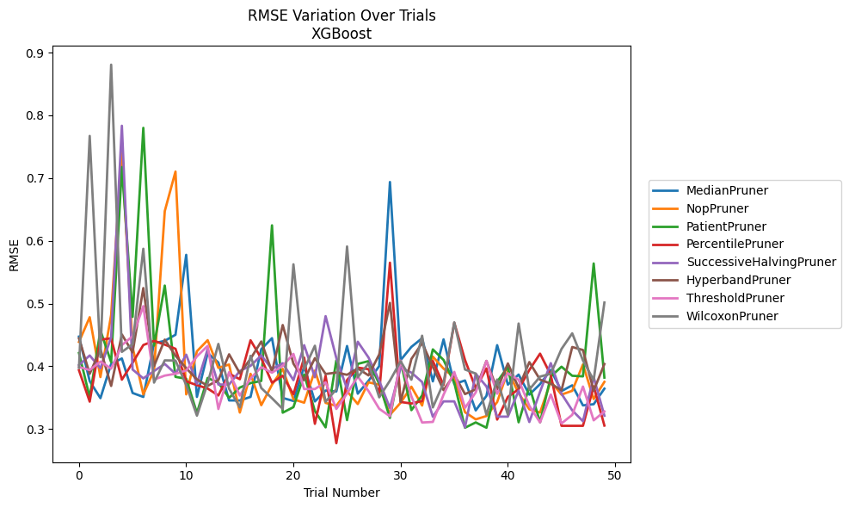
Trial | MedianPruner | NopPruner | PatientPruner | PercentilePruner | SuccessiveHalvingPruner | HyperbandPruner | ThresholdPruner | WilcoxonPruner
1 | 0.44735234629 | 0.43885807455 | 0.42112772785 | 0.39368218006 | 0.40197816117 | 0.44452365612 | 0.3989161213 | 0.39752963444
2 | 0.37632142762 | 0.47820361455 | 0.35059249114 | 0.34368730558 | 0.41726601008 | 0.38798413116 | 0.3940363705 | 0.76719288623
3 | 0.34918441885 | 0.38283237697 | 0.4571602315 | 0.44254144359 | 0.39686626559 | 0.4272680365 | 0.40755377065 | 0.41452457353
4 | 0.40384962388 | 0.481788216 | 0.4065385554 | 0.44455776787 | 0.44630636265 | 0.36872397207 | 0.39633511043 | 0.88077933739
5 | 0.41245594565 | 0.74101042757 | 0.71757011123 | 0.37867482477 | 0.78341810228 | 0.45073561161 | 0.43379696298 | 0.42296158436
6 | 0.35748366223 | 0.43035813228 | 0.47874184231 | 0.40559025291 | 0.39485663495 | 0.4221835524 | 0.44792359127 | 0.43509253638
7 | 0.35117956889 | 0.35522720973 | 0.78006039269 | 0.43390302935 | 0.38074319623 | 0.52465790276 | 0.49589650191 | 0.58732798267
8 | 0.43650274289 | 0.3934100221 | 0.4330688703 | 0.44055181628 | 0.39244862972 | 0.40024165248 | 0.37889248467 | 0.37400845167
9 | 0.44059281343 | 0.64733288569 | 0.52864968919 | 0.43455095094 | 0.40379656092 | 0.4424878455 | 0.38516439424 | 0.40942411247
10 | 0.45026912348 | 0.710372257 | 0.38315727005 | 0.42790403087 | 0.38815361721 | 0.41690499176 | 0.38811621711 | 0.40913230355
11 | 0.57766009403 | 0.35522720973 | 0.38013322256 | 0.37598166383 | 0.41853413345 | 0.39695238207 | 0.39322430253 | 0.37004837784
12 | 0.35117956889 | 0.42396135127 | 0.32549611276 | 0.36996910847 | 0.37204710409 | 0.37916424474 | 0.41581433358 | 0.32135814082
13 | 0.42094207186 | 0.44160447509 | 0.38141688963 | 0.36457304686 | 0.42722747401 | 0.36872397207 | 0.43250869018 | 0.37309945864
14 | 0.40603751357 | 0.3975044295 | 0.37381557666 | 0.35349681271 | 0.37089400653 | 0.37804635868 | 0.33194138823 | 0.43563445496
15 | 0.34559057912 | 0.40281158218 | 0.34972458247 | 0.38815399491 | 0.37097081193 | 0.41913443469 | 0.39064021523 | 0.36414888274
16 | 0.34551182323 | 0.32630701229 | 0.36611869587 | 0.37945429795 | 0.39250478687 | 0.38889753792 | 0.35335802626 | 0.33463097052
17 | 0.35124176973 | 0.38803363898 | 0.37321233093 | 0.44148527087 | 0.40075378713 | 0.41200121987 | 0.38068406755 | 0.41669797107
18 | 0.42731021555 | 0.33799261072 | 0.37665467444 | 0.41267745343 | 0.41728530391 | 0.43955785306 | 0.39851083284 | 0.36535974332
19 | 0.44484523151 | 0.37064659984 | 0.62467274301 | 0.37386404258 | 0.39563850742 | 0.39097490497 | 0.38983254507 | 0.34906586029
20 | 0.34957382492 | 0.39592326421 | 0.3260872385 | 0.38496890054 | 0.40487553533 | 0.46573280148 | 0.40073129571 | 0.33210358584
21 | 0.34471826459 | 0.34743854645 | 0.33488788068 | 0.35530244809 | 0.37792093456 | 0.40413912656 | 0.4197659751 | 0.56257244613
22 | 0.39973496631 | 0.34200761572 | 0.38681661971 | 0.41383185478 | 0.43366029236 | 0.37804635868 | 0.36374973087 | 0.39527743879
23 | 0.34396495127 | 0.39314730584 | 0.32872530893 | 0.30832213472 | 0.38252597059 | 0.41297168212 | 0.36374973087 | 0.43272635243
24 | 0.36131200544 | 0.3416747498 | 0.30264678907 | 0.38497390413 | 0.47992412211 | 0.38773601563 | 0.37451760519 | 0.34352923087
25 | 0.35993314387 | 0.33697678849 | 0.40952040524 | 0.27741287203 | 0.41316579261 | 0.39000320694 | 0.33200300593 | 0.36347900658
26 | 0.432324494 | 0.36026721813 | 0.31420040413 | 0.37803712686 | 0.36406155057 | 0.38646678366 | 0.35674232513 | 0.59103227353
27 | 0.3563322476 | 0.33983323542 | 0.40387163585 | 0.39782226241 | 0.43913244456 | 0.39660445167 | 0.38353160784 | 0.38253458026
28 | 0.37683142258 | 0.37440086445 | 0.40818506063 | 0.39544940805 | 0.4140704367 | 0.38551964266 | 0.36064955067 | 0.40460595967
29 | 0.40027551713 | 0.37076051277 | 0.37207879098 | 0.3571146889 | 0.37705500143 | 0.41882831708 | 0.33230510779 | 0.35050384304
30 | 0.69374515118 | 0.3227369459 | 0.31772100125 | 0.56516359716 | 0.33331231309 | 0.50105458687 | 0.32035389358 | 0.37720854486
31 | 0.40992613721 | 0.34196675142 | 0.40864917836 | 0.3431012874 | 0.39762482342 | 0.34346287271 | 0.40913960823 | 0.40801643534
32 | 0.43094534336 | 0.3675119403 | 0.33006709049 | 0.34069953355 | 0.38996342314 | 0.41164671772 | 0.35207602201 | 0.37863676898
33 | 0.4447167662 | 0.33745367977 | 0.35357426889 | 0.34464034804 | 0.37494596945 | 0.43700488454 | 0.31038768171 | 0.44876705324
34 | 0.37597701845 | 0.41543037385 | 0.42696475313 | 0.40850673362 | 0.31960090562 | 0.39945701997 | 0.31133604659 | 0.33445521795
35 | 0.44291828073 | 0.39633167093 | 0.41008409798 | 0.37009950406 | 0.344070739 | 0.3619599929 | 0.35474121566 | 0.37348694835
36 | 0.37167072934 | 0.38230602053 | 0.37371183645 | 0.46938664768 | 0.344070739 | 0.38665335604 | 0.39110857987 | 0.47002998121
37 | 0.37740477638 | 0.32680876412 | 0.30208469925 | 0.41004917362 | 0.30272461908 | 0.35572251284 | 0.33374221797 | 0.39491090446
38 | 0.32968693141 | 0.31542093037 | 0.31052419554 | 0.36499799987 | 0.38821692038 | 0.36325114491 | 0.35828460543 | 0.38833073793
39 | 0.35283738415 | 0.32073457347 | 0.30208469925 | 0.39657981053 | 0.36789521481 | 0.40859557527 | 0.40849107762 | 0.3227532266
40 | 0.43364190485 | 0.34305464415 | 0.37535806876 | 0.31510668199 | 0.31977029967 | 0.36325114491 | 0.35620047998 | 0.37888590589
41 | 0.37080126301 | 0.39269764999 | 0.39908524626 | 0.35126406009 | 0.31977029967 | 0.40457625182 | 0.38895131673 | 0.3227532266
42 | 0.38681824253 | 0.3571072845 | 0.31076906987 | 0.3634677612 | 0.36121107706 | 0.36567648503 | 0.37843717583 | 0.46817703989
43 | 0.35487515002 | 0.33143377885 | 0.36817206029 | 0.39409128593 | 0.31121850422 | 0.40669523454 | 0.33706261297 | 0.36287235508
44 | 0.37159257709 | 0.32630701229 | 0.31076906987 | 0.42016542258 | 0.35939847832 | 0.3786857072 | 0.31055024978 | 0.38357532133
45 | 0.39413504086 | 0.37583147389 | 0.38371552933 | 0.38611865469 | 0.4050512556 | 0.37234598946 | 0.3550074875 | 0.38815343119
46 | 0.36048833484 | 0.35487537628 | 0.39934309791 | 0.30512792584 | 0.35623180953 | 0.3616349113 | 0.30888938687 | 0.42760761708
47 | 0.36968088977 | 0.36091447022 | 0.38489058422 | 0.30512792584 | 0.32972813237 | 0.43073969848 | 0.32260389898 | 0.45254774635
48 | 0.33768249256 | 0.40295203875 | 0.38392943427 | 0.30512792584 | 0.31246421419 | 0.42594914302 | 0.36768503484 | 0.40938240492
49 | 0.33959063949 | 0.34784255067 | 0.56391291077 | 0.36812130903 | 0.38279597939 | 0.36109261402 | 0.31389326518 | 0.37792472844
50 | 0.36436728099 | 0.3751919402 | 0.38198331952 | 0.30549915443 | 0.32127674505 | 0.40360853742 | 0.32797406249 | 0.50163513877

RMSE_Trials_LightGBM
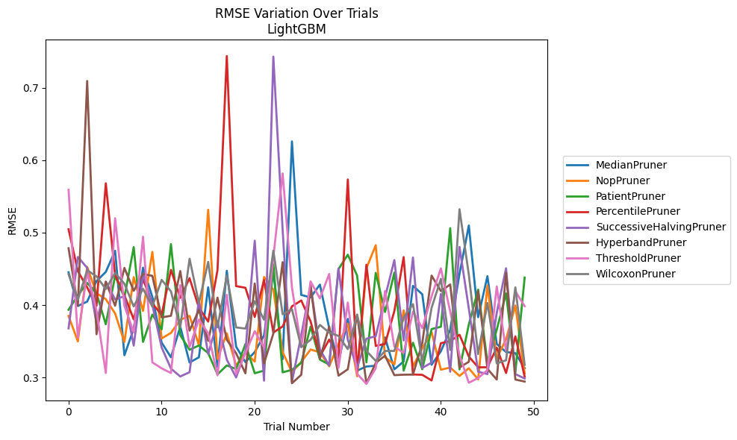
Trial | MedianPruner | NopPruner | PatientPruner | PercentilePruner | SuccessiveHalvingPruner | HyperbandPruner | ThresholdPruner | WilcoxonPruner
1 | 0.44526195354 | 0.38489152908 | 0.39351104522 | 0.50461150667 | 0.36784657415 | 0.47845850438 | 0.55912695457 | 0.44274233563
2 | 0.39872855108 | 0.34987346977 | 0.41347913284 | 0.44685601076 | 0.466359399 | 0.39914098768 | 0.35499116119 | 0.40729791824
3 | 0.40482092748 | 0.45263075301 | 0.43049736855 | 0.42436987386 | 0.45137770675 | 0.70942917198 | 0.44594827924 | 0.44810922456
4 | 0.43314535263 | 0.41635050335 | 0.4162026114 | 0.39883549946 | 0.37389983134 | 0.35967774943 | 0.39277272053 | 0.43965528102
5 | 0.44571065223 | 0.40815231243 | 0.37351120437 | 0.56817213341 | 0.43250150715 | 0.43201830689 | 0.30614383802 | 0.42208613674
6 | 0.47492505239 | 0.38841095441 | 0.44028191913 | 0.44126458329 | 0.40772734742 | 0.39910689237 | 0.51986799149 | 0.44442837443
7 | 0.33071254844 | 0.34894665984 | 0.41057404978 | 0.41350537625 | 0.41221513367 | 0.45127689098 | 0.39890335008 | 0.42948456516
8 | 0.36721750723 | 0.43849532118 | 0.48007592886 | 0.38020852344 | 0.34402977858 | 0.41965823953 | 0.36224357981 | 0.39810500386
9 | 0.45160543078 | 0.3919368017 | 0.34911138204 | 0.43606063159 | 0.44280662576 | 0.44280248663 | 0.49439417432 | 0.42255524355
10 | 0.41134401945 | 0.47341119775 | 0.38692338205 | 0.40205865241 | 0.40030278419 | 0.4403829317 | 0.32085787802 | 0.39802775233
11 | 0.34820882839 | 0.35386903491 | 0.3663350693 | 0.38657084936 | 0.34150734278 | 0.38300709968 | 0.31268074257 | 0.43476215006
12 | 0.32787634737 | 0.36156916993 | 0.48420470485 | 0.44864519586 | 0.31226681601 | 0.38521120178 | 0.30614383802 | 0.41893426728
13 | 0.3702560812 | 0.37957418994 | 0.35847480163 | 0.40995322787 | 0.30140971219 | 0.44695644227 | 0.42768436436 | 0.36947735917
14 | 0.32067727896 | 0.38511623288 | 0.33829612728 | 0.43713158167 | 0.30729334244 | 0.36465440616 | 0.3421622921 | 0.46395382401
15 | 0.32787634737 | 0.34448597072 | 0.34416214332 | 0.39649406919 | 0.40699387152 | 0.39320282053 | 0.37986551789 | 0.40274403981
16 | 0.42457978091 | 0.53164414758 | 0.33365222928 | 0.37711038692 | 0.33242876778 | 0.35054495885 | 0.36108536972 | 0.45960641791
17 | 0.31459207935 | 0.32548511127 | 0.30440942858 | 0.44819409372 | 0.37792374672 | 0.41031307768 | 0.30293932592 | 0.36914286307
18 | 0.44736219518 | 0.36099325251 | 0.31666497784 | 0.74389679692 | 0.32459257713 | 0.35209418198 | 0.41422103431 | 0.44083045455
19 | 0.34256117187 | 0.31646673152 | 0.31165390427 | 0.42615259334 | 0.30006618613 | 0.33342817746 | 0.30456604714 | 0.36914286307
20 | 0.32126333855 | 0.33418300035 | 0.34610775453 | 0.42388944438 | 0.33601561029 | 0.30573142175 | 0.33342817746 | 0.36755581947
21 | 0.33515275837 | 0.32194348507 | 0.30584302549 | 0.38359131471 | 0.48884129091 | 0.42979957661 | 0.36391058424 | 0.40536395213
22 | 0.35811674424 | 0.43881095199 | 0.30947906063 | 0.43445634255 | 0.29561328298 | 0.31948061148 | 0.34125523385 | 0.37981479247
23 | 0.44692654853 | 0.42126951451 | 0.45640156344 | 0.36205367592 | 0.74306413858 | 0.36065181518 | 0.46624872635 | 0.4751803034
24 | 0.32524751135 | 0.33499452258 | 0.30711287747 | 0.37051346428 | 0.50351974438 | 0.45929719257 | 0.5817897601 | 0.38732721149
25 | 0.62601375575 | 0.30730486379 | 0.31059169265 | 0.39828650986 | 0.29408786204 | 0.29203010394 | 0.42426735725 | 0.39419966491
26 | 0.4139873229 | 0.32151962491 | 0.32023628325 | 0.40634295593 | 0.35857748695 | 0.30375053748 | 0.34201042731 | 0.34193672056
27 | 0.41056092936 | 0.33863649982 | 0.3701582908 | 0.37756069881 | 0.42694256842 | 0.42689722305 | 0.43268131184 | 0.35203418227
28 | 0.42826662584 | 0.3347881868 | 0.3247932774 | 0.32903128429 | 0.33892863724 | 0.32591190937 | 0.4091959362 | 0.37258742482
29 | 0.36834771983 | 0.31544145703 | 0.31778464537 | 0.35232005533 | 0.31639842403 | 0.3702569011 | 0.44290049428 | 0.36202246081
30 | 0.32061959415 | 0.3464310413 | 0.44959886111 | 0.32745166759 | 0.4507120209 | 0.3025139186 | 0.3132485542 | 0.3574191063
31 | 0.38090405162 | 0.37429574925 | 0.46959094114 | 0.57343487169 | 0.35207485353 | 0.31131833563 | 0.4035230353 | 0.339179764
32 | 0.30950704853 | 0.30161885626 | 0.44069332083 | 0.30755230258 | 0.31353726203 | 0.38683369791 | 0.30504924623 | 0.38609164953
33 | 0.3151747132 | 0.4509332668 | 0.32096203358 | 0.45569068386 | 0.35361626642 | 0.29181612196 | 0.29117547202 | 0.33665709712
34 | 0.31622850857 | 0.4826678179 | 0.44447365552 | 0.34363763724 | 0.35697379372 | 0.3201379068 | 0.31269281922 | 0.32284578978
35 | 0.35529919896 | 0.32787634737 | 0.39040612894 | 0.34629340082 | 0.41089935842 | 0.33010975649 | 0.41949712307 | 0.33665709712
36 | 0.31122018615 | 0.31820324987 | 0.44484596657 | 0.39172061994 | 0.46210159392 | 0.30323936633 | 0.34275527428 | 0.33665709712
37 | 0.32215596966 | 0.39267864213 | 0.30947906063 | 0.46625319324 | 0.35126545324 | 0.30384287523 | 0.33386344246 | 0.3827783727
38 | 0.42649253623 | 0.31544145703 | 0.34802534826 | 0.30417101439 | 0.46574485914 | 0.30398968104 | 0.39103634068 | 0.40125792492
39 | 0.41493990242 | 0.34011447763 | 0.311430045 | 0.30367669116 | 0.31319756863 | 0.34739380221 | 0.36815758192 | 0.32135855051
40 | 0.31752683978 | 0.36263146563 | 0.36691211279 | 0.29592407884 | 0.32047912105 | 0.44069332083 | 0.41205230103 | 0.39621110513
41 | 0.33628191216 | 0.31074625005 | 0.37007344272 | 0.34731020974 | 0.41533451717 | 0.41933812576 | 0.45057955024 | 0.43621388539
42 | 0.36570336987 | 0.31376990123 | 0.50613650898 | 0.35038739882 | 0.30791829427 | 0.42844569043 | 0.39096884634 | 0.33790984054
43 | 0.44316413362 | 0.30215678483 | 0.31108313943 | 0.35893003813 | 0.48026028514 | 0.31379640443 | 0.33089447963 | 0.53234520315
44 | 0.50987936106 | 0.31276566116 | 0.37310644573 | 0.32891445261 | 0.39524849778 | 0.32168292248 | 0.29275557345 | 0.44191277117
45 | 0.38325403106 | 0.29740915533 | 0.42136380952 | 0.31409463856 | 0.30800579656 | 0.41913139976 | 0.29921377154 | 0.33225483179
46 | 0.4398815129 | 0.42689492331 | 0.3208981862 | 0.31409463856 | 0.30472977712 | 0.31199345949 | 0.31020034154 | 0.40286484092
47 | 0.34617407181 | 0.32677858065 | 0.36601056256 | 0.34117983997 | 0.38931359579 | 0.29715772468 | 0.42560332921 | 0.31940907749
48 | 0.33518763617 | 0.35265430577 | 0.41614634395 | 0.30618636208 | 0.45079166892 | 0.44464165728 | 0.33659383199 | 0.32375931507
49 | 0.33353554059 | 0.39932292934 | 0.30730468367 | 0.35679069274 | 0.30472977712 | 0.29715772468 | 0.41900440432 | 0.42448310789
50 | 0.31292902196 | 0.30556239999 | 0.43805297937 | 0.3011317552 | 0.29854517151 | 0.29436646659 | 0.39845167457 | 0.31750159547

RMSE_Trials_GPBoost
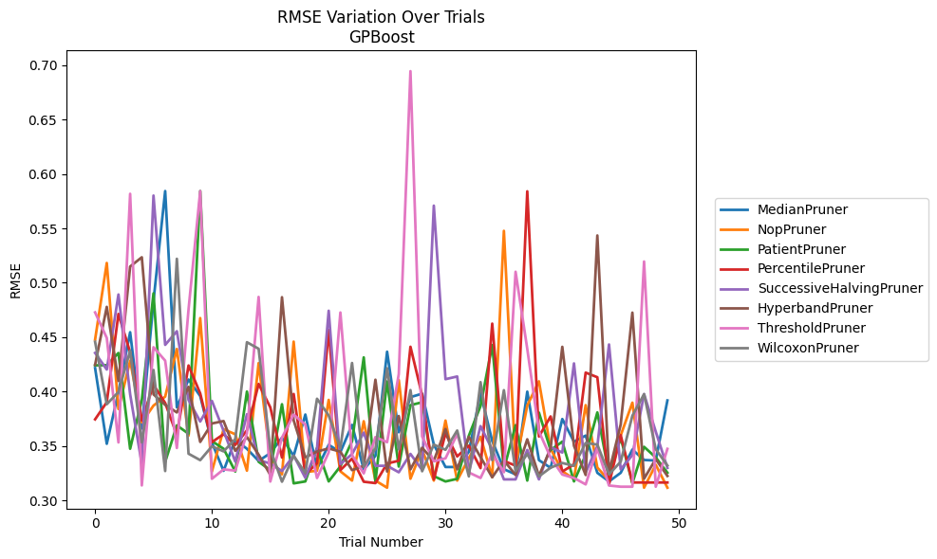
Trial | MedianPruner | NopPruner | PatientPruner | PercentilePruner | SuccessiveHalvingPruner | HyperbandPruner | ThresholdPruner | WilcoxonPruner
1 | 0.42160500186 | 0.44780231856 | 0.42413784103 | 0.37450022595 | 0.43556074469 | 0.42457881702 | 0.47276148806 | 0.44575476043
2 | 0.35204369163 | 0.51819824643 | 0.42425287972 | 0.39024145228 | 0.42027722429 | 0.47785701163 | 0.44932798508 | 0.38838770611
3 | 0.39957608643 | 0.3839814682 | 0.43547382816 | 0.47136694698 | 0.48922099055 | 0.40976199768 | 0.35330292152 | 0.3996554896
4 | 0.45454850502 | 0.42838525381 | 0.34750180252 | 0.43604039102 | 0.39757842627 | 0.51491658453 | 0.5817341722 | 0.43749845858
5 | 0.36615203554 | 0.37168200228 | 0.39243678267 | 0.37346818336 | 0.33334699625 | 0.52343041636 | 0.31379800749 | 0.35330412642
6 | 0.48329176159 | 0.38714926361 | 0.49025908578 | 0.40624737339 | 0.58012822334 | 0.39747368689 | 0.4407708203 | 0.4198586603
7 | 0.58426575274 | 0.39538525774 | 0.33543534034 | 0.38952530157 | 0.44293651861 | 0.38784368717 | 0.42843578188 | 0.32701076218
8 | 0.38555541813 | 0.43916118556 | 0.36897357124 | 0.36010642119 | 0.45548391105 | 0.38086473563 | 0.34818762594 | 0.5220318713
9 | 0.41110974141 | 0.35950019777 | 0.36130147087 | 0.42399816668 | 0.3922699675 | 0.40433024997 | 0.47553802255 | 0.34292680004
10 | 0.39590417663 | 0.46754581775 | 0.58425045031 | 0.39832169089 | 0.37249826749 | 0.35374352544 | 0.58424563031 | 0.33701595965
11 | 0.35308605913 | 0.32662370901 | 0.35450236888 | 0.35358022776 | 0.39146554763 | 0.37071293273 | 0.31988896118 | 0.34972069063
12 | 0.32719810653 | 0.36539851724 | 0.34750180252 | 0.36086455053 | 0.36399335383 | 0.37292781499 | 0.32853297991 | 0.34507223965
13 | 0.35590134179 | 0.36084366133 | 0.32657004053 | 0.35098367563 | 0.33574756147 | 0.34559433879 | 0.32741304416 | 0.35635296432
14 | 0.34743459011 | 0.32733276218 | 0.40004342115 | 0.36436951888 | 0.37918861834 | 0.35828006049 | 0.3616318611 | 0.44537032237
15 | 0.33631956578 | 0.42619047443 | 0.33552790376 | 0.40707500647 | 0.33708362555 | 0.34207838491 | 0.48698971157 | 0.43935088249
16 | 0.34343526677 | 0.33882011109 | 0.32781992203 | 0.38554677902 | 0.33393974837 | 0.32347085441 | 0.31736824723 | 0.34704732244
17 | 0.357668569 | 0.32396724905 | 0.38838625761 | 0.33939344309 | 0.32701248593 | 0.48672158052 | 0.35764959725 | 0.31719370877
18 | 0.34096230609 | 0.44592273522 | 0.31568269698 | 0.3978183642 | 0.34121822307 | 0.37359103403 | 0.37888732656 | 0.3410034055
19 | 0.37891881294 | 0.32606526165 | 0.31746666956 | 0.32397343385 | 0.32073188406 | 0.33957889991 | 0.36965233586 | 0.32520955036
20 | 0.32903475662 | 0.32729427572 | 0.34824640442 | 0.33416848128 | 0.3478234375 | 0.34495505834 | 0.32063434398 | 0.39344595448
21 | 0.3510751758 | 0.39239518707 | 0.31746666956 | 0.45655434297 | 0.47428914767 | 0.3477673591 | 0.34415145967 | 0.37811248698
22 | 0.34444139272 | 0.32674637294 | 0.33131026229 | 0.32783840102 | 0.33334699625 | 0.34482297496 | 0.47268492845 | 0.34782505476
23 | 0.36941562451 | 0.31823966941 | 0.35440252437 | 0.33842014768 | 0.34261185239 | 0.32783241919 | 0.34165135279 | 0.42628459158
24 | 0.32844290187 | 0.37276753702 | 0.43145021003 | 0.31718768966 | 0.36234127385 | 0.331739612 | 0.32483472771 | 0.33087321121
25 | 0.34094418819 | 0.31823966941 | 0.31745854651 | 0.31592212245 | 0.33183628007 | 0.41091673485 | 0.35818961428 | 0.34738897451
26 | 0.43666540554 | 0.31170565858 | 0.40932567094 | 0.33393122644 | 0.33183628007 | 0.32659566901 | 0.35351545814 | 0.42149854108
27 | 0.36267058297 | 0.41064622895 | 0.33113801417 | 0.33646666191 | 0.32586691973 | 0.37756702015 | 0.41613952076 | 0.34690897088
28 | 0.3949089659 | 0.31994741711 | 0.38751639862 | 0.44119902779 | 0.34274903974 | 0.32856721474 | 0.6944165746 | 0.40139157654
29 | 0.39809216939 | 0.34667191048 | 0.39022182628 | 0.39644464469 | 0.32799097004 | 0.34838547035 | 0.35882325124 | 0.32683651375
30 | 0.35131662663 | 0.31823966941 | 0.32229865811 | 0.31942866493 | 0.57086357378 | 0.33631956578 | 0.33590405711 | 0.35130613834
31 | 0.33072321065 | 0.37339169597 | 0.31743507269 | 0.36173703661 | 0.41142078856 | 0.36566269029 | 0.33869894032 | 0.34653666363
32 | 0.33072321065 | 0.31823966941 | 0.31984552408 | 0.34043833489 | 0.41389403942 | 0.32856721474 | 0.36091761748 | 0.36426434168
33 | 0.34466966262 | 0.3389026367 | 0.3594858789 | 0.35030355278 | 0.32586691973 | 0.35844527605 | 0.3256802954 | 0.32208954714
34 | 0.39863724153 | 0.35848137857 | 0.38677455674 | 0.3296992514 | 0.36830932299 | 0.33984093177 | 0.32063434398 | 0.40867479033
35 | 0.35464896837 | 0.32138752019 | 0.44277613329 | 0.46246059422 | 0.34678701992 | 0.32126434981 | 0.34298792983 | 0.33702234448
36 | 0.32873119481 | 0.54770688496 | 0.32873082659 | 0.33632214989 | 0.31933634322 | 0.3368267592 | 0.32598088844 | 0.40129334792
37 | 0.32396928038 | 0.33236061604 | 0.3691525309 | 0.33196299745 | 0.31933634322 | 0.32337535635 | 0.5101081522 | 0.32683651375
38 | 0.39996237809 | 0.3872256133 | 0.31825325501 | 0.58403506556 | 0.34639017417 | 0.35617189317 | 0.43929255169 | 0.34279613452
39 | 0.33702234448 | 0.4094378209 | 0.38070583836 | 0.3587608009 | 0.31933634322 | 0.32247978274 | 0.36347419472 | 0.32208954714
40 | 0.32992457667 | 0.34746253221 | 0.3461857594 | 0.37718713618 | 0.34886325011 | 0.34791330141 | 0.33937924442 | 0.33011905571
41 | 0.37482360299 | 0.32680405976 | 0.35403730391 | 0.32655169426 | 0.34400481256 | 0.4411399517 | 0.32377587859 | 0.33440506674
42 | 0.35395040952 | 0.31982811347 | 0.31746666956 | 0.33311383686 | 0.42591604519 | 0.35019864585 | 0.32063434398 | 0.33175473307
43 | 0.35955410659 | 0.38755420852 | 0.34175908916 | 0.41744809815 | 0.32561235614 | 0.32337535635 | 0.31475498497 | 0.35277974338
44 | 0.3253709869 | 0.33021430913 | 0.38086473563 | 0.41319987831 | 0.34984948454 | 0.54346544999 | 0.34759347385 | 0.35134042219
45 | 0.31745854651 | 0.31823966941 | 0.32416453632 | 0.31474904389 | 0.44331519022 | 0.32586591585 | 0.31370245279 | 0.32389831552
46 | 0.3253709869 | 0.35971676003 | 0.35753496116 | 0.36002741115 | 0.32856374075 | 0.36978253471 | 0.31261011072 | 0.33565754582
47 | 0.34674540562 | 0.38984129975 | 0.31585459174 | 0.31648647337 | 0.34162251177 | 0.47256136321 | 0.31261011072 | 0.377819784
48 | 0.33715325322 | 0.31170565858 | 0.34926351661 | 0.31648647337 | 0.39770652545 | 0.31997765839 | 0.5195300102 | 0.39767802102
49 | 0.3366751364 | 0.33279104527 | 0.33952152591 | 0.31648647337 | 0.36325981371 | 0.33797412099 | 0.31261011072 | 0.34707915599
50 | 0.39188426493 | 0.31170565858 | 0.32545553442 | 0.31648647337 | 0.32991767494 | 0.32247978274 | 0.3473744039 | 0.3321084997

RMSE_Trials_CatBoost
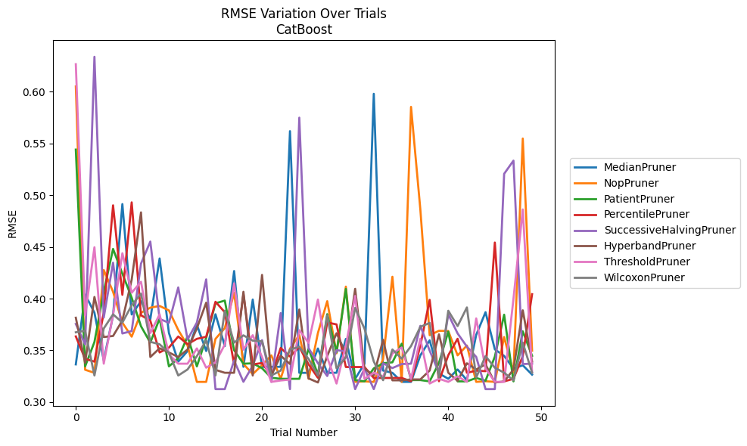
Trial | MedianPruner | NopPruner | PatientPruner | PercentilePruner | SuccessiveHalvingPruner | HyperbandPruner | ThresholdPruner | WilcoxonPruner
1 | 0.33641997323 | 0.6050119532 | 0.54399934469 | 0.36345223218 | 0.37550119634 | 0.38151988319 | 0.62652902694 | 0.36743396296
2 | 0.40396338957 | 0.33122377539 | 0.33449305282 | 0.34176790684 | 0.35576064423 | 0.33785765267 | 0.38382750732 | 0.36887841459
3 | 0.38637430416 | 0.32826147761 | 0.35802641114 | 0.33911291391 | 0.63369015141 | 0.40158304649 | 0.44963094475 | 0.32568810363
4 | 0.3402199261 | 0.42759542972 | 0.40682058527 | 0.38637430416 | 0.3816935963 | 0.36283785019 | 0.33709694857 | 0.37110997169
5 | 0.38378839727 | 0.40658909228 | 0.44802187262 | 0.4901489764 | 0.43467993596 | 0.3638803894 | 0.38441821603 | 0.38478091875
6 | 0.49135121534 | 0.37673607314 | 0.42410537878 | 0.40362856788 | 0.36629645984 | 0.37884273637 | 0.44382127967 | 0.37681723337
7 | 0.38463110085 | 0.36320754521 | 0.40084937649 | 0.4930223247 | 0.36862110694 | 0.41825526887 | 0.40564687384 | 0.39350353689
8 | 0.39745032981 | 0.38628295812 | 0.3732777518 | 0.38387138999 | 0.43377735803 | 0.48333207037 | 0.41623977407 | 0.40488236102
9 | 0.38003305427 | 0.39123137402 | 0.35744851878 | 0.37870388868 | 0.45509884563 | 0.34352406399 | 0.36668888159 | 0.35824537139
10 | 0.43879783653 | 0.39289375252 | 0.38082211557 | 0.34796263016 | 0.38039529253 | 0.35202458717 | 0.38478091875 | 0.3558090746
11 | 0.36679475543 | 0.38857020446 | 0.33449305282 | 0.35262946148 | 0.37657185127 | 0.3479392718 | 0.34611160365 | 0.34764493848
12 | 0.33911291391 | 0.36968073216 | 0.34232300116 | 0.36338027009 | 0.41076739169 | 0.34352406399 | 0.33709694857 | 0.32568810363
13 | 0.34929472003 | 0.35462393056 | 0.36348487494 | 0.3559725648 | 0.36049643129 | 0.35080169035 | 0.33709694857 | 0.33150400551
14 | 0.37468828899 | 0.3195094844 | 0.33449305282 | 0.36111699699 | 0.37682528858 | 0.37126466452 | 0.35188234055 | 0.34436361414
15 | 0.34933848657 | 0.3195094844 | 0.36189018358 | 0.36309206726 | 0.41857615982 | 0.39604328812 | 0.33322762725 | 0.35970434148
16 | 0.3848770511 | 0.36108066439 | 0.3954562605 | 0.39693785506 | 0.31252672563 | 0.33113770584 | 0.33843236458 | 0.32568810363
17 | 0.35413135511 | 0.37146830061 | 0.39806255664 | 0.38679421878 | 0.31252672563 | 0.32831099128 | 0.35560018777 | 0.38830874534
18 | 0.42664301764 | 0.40558918135 | 0.35013903698 | 0.33641432501 | 0.34018177858 | 0.32831099128 | 0.41469636664 | 0.35741043028
19 | 0.33406036548 | 0.33680218132 | 0.33706524189 | 0.40429299645 | 0.3195932858 | 0.40659126174 | 0.35059038914 | 0.3644950064
20 | 0.39910158978 | 0.32704648868 | 0.33748299681 | 0.33641432501 | 0.3351255606 | 0.32565757825 | 0.36465071048 | 0.35931566579
21 | 0.33406036548 | 0.33557821218 | 0.33268978952 | 0.33776085509 | 0.35982476731 | 0.42290453556 | 0.34352406399 | 0.35874957225
22 | 0.33406036548 | 0.34513696407 | 0.32350328649 | 0.32560081293 | 0.3195932858 | 0.32565757825 | 0.31952656812 | 0.32568810363
23 | 0.33406036548 | 0.32249325963 | 0.32249325963 | 0.3522962803 | 0.38596538086 | 0.3448456045 | 0.32088234521 | 0.33044738056
24 | 0.5618347711 | 0.35161459544 | 0.32249325963 | 0.34399062161 | 0.31252672563 | 0.33680218132 | 0.32176041791 | 0.35081574253
25 | 0.32826147761 | 0.36496555314 | 0.32249325963 | 0.35326993853 | 0.57485890353 | 0.38945087879 | 0.36952843175 | 0.35334986982
26 | 0.32826147761 | 0.32249325963 | 0.35161459544 | 0.33641432501 | 0.35203730175 | 0.32286725929 | 0.35723018042 | 0.34165749068
27 | 0.35180057985 | 0.36677917186 | 0.32649726873 | 0.32348474429 | 0.33758111645 | 0.31894487852 | 0.39907312511 | 0.32568810363
28 | 0.32829995774 | 0.39751640511 | 0.38496391628 | 0.37690278166 | 0.32515928963 | 0.34451696243 | 0.34315005555 | 0.38387138999
29 | 0.32829995774 | 0.34710500177 | 0.3480487945 | 0.37506612158 | 0.35016972479 | 0.36654931221 | 0.31791405059 | 0.332594063
30 | 0.36103460271 | 0.4115997052 | 0.40938938974 | 0.3338716183 | 0.34902104642 | 0.34694768901 | 0.3546433861 | 0.34315005555
31 | 0.32249542068 | 0.3195094844 | 0.32127201902 | 0.3338716183 | 0.31252672563 | 0.40945189887 | 0.4025672434 | 0.39103696728
32 | 0.33712816864 | 0.31999107501 | 0.31999107501 | 0.3338716183 | 0.3324144565 | 0.33233978376 | 0.32229209489 | 0.37099635688
33 | 0.597916677 | 0.3195094844 | 0.33255559311 | 0.32329669363 | 0.31252672563 | 0.32565757825 | 0.32831099128 | 0.33920064742
34 | 0.33044738056 | 0.34161190263 | 0.33747873363 | 0.32329669363 | 0.33746966386 | 0.36024834244 | 0.32458988683 | 0.32113287063
35 | 0.32826147761 | 0.42112507395 | 0.33843236458 | 0.32329669363 | 0.33288731184 | 0.32102139734 | 0.34692927652 | 0.35080169035
36 | 0.3195094844 | 0.3195094844 | 0.35643107246 | 0.32329669363 | 0.33677925595 | 0.32102139734 | 0.35278079276 | 0.34199762196
37 | 0.3195094844 | 0.58530039363 | 0.32127201902 | 0.32015768351 | 0.33710165623 | 0.32188918848 | 0.32249542068 | 0.35413135511
38 | 0.34513696407 | 0.48616688054 | 0.32127201902 | 0.3546433861 | 0.37369407179 | 0.32188918848 | 0.36111699699 | 0.37268520465
39 | 0.35967304443 | 0.36463023615 | 0.31999107501 | 0.39876457911 | 0.34971677592 | 0.33044554285 | 0.31791405059 | 0.37653895725
40 | 0.32768112731 | 0.36887841459 | 0.33785765267 | 0.32015768351 | 0.32829995774 | 0.36546264322 | 0.32255252159 | 0.32380296217
41 | 0.32249542068 | 0.36864400283 | 0.3680842239 | 0.34524518157 | 0.38475835035 | 0.32836563342 | 0.31952656812 | 0.38825549245
42 | 0.33150400551 | 0.34513696407 | 0.31999107501 | 0.36118082121 | 0.36635910327 | 0.32052234917 | 0.32488027836 | 0.37343764967
43 | 0.32127201902 | 0.3546433861 | 0.31999107501 | 0.32831099128 | 0.35358994138 | 0.33747873363 | 0.31952656812 | 0.39146541762
44 | 0.36496555314 | 0.3195094844 | 0.32329669363 | 0.33031887554 | 0.3436185325 | 0.33150400551 | 0.38082211557 | 0.32380296217
45 | 0.38685443858 | 0.3201335518 | 0.32060835954 | 0.32987464006 | 0.31252672563 | 0.33641997323 | 0.33255559311 | 0.34439602408
46 | 0.35097741406 | 0.3195094844 | 0.34392324736 | 0.45418943872 | 0.31252672563 | 0.31894487852 | 0.31952656812 | 0.33319625431
47 | 0.34457564991 | 0.36283842157 | 0.38443232148 | 0.31999107501 | 0.5206154797 | 0.31991625218 | 0.31952656812 | 0.32837443684
48 | 0.3324144565 | 0.32826147761 | 0.31999107501 | 0.32249325963 | 0.53331197099 | 0.33144601562 | 0.39965618969 | 0.32102139734
49 | 0.33557821218 | 0.55468260604 | 0.36836162004 | 0.3443525382 | 0.33677925595 | 0.38868265023 | 0.48616688054 | 0.35741043028
50 | 0.32649726873 | 0.34958838917 | 0.34471647386 | 0.40427852811 | 0.33710165623 | 0.33920064742 | 0.32883037334 | 0.32836563342

RMSE_Trials_NGBoost
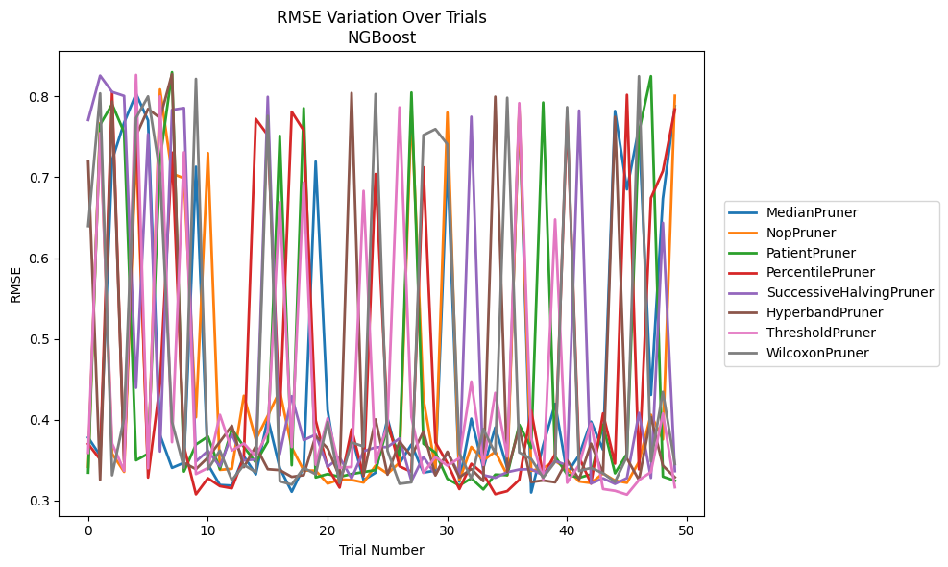
Trial | MedianPruner | NopPruner | PatientPruner | PercentilePruner | SuccessiveHalvingPruner | HyperbandPruner | ThresholdPruner | WilcoxonPruner
1 | 0.37785619596 | 0.34174194047 | 0.33453990781 | 0.36993938401 | 0.7708719755 | 0.72007030507 | 0.35901170909 | 0.63955981467
2 | 0.3555477529 | 0.7670857769 | 0.76509418274 | 0.3506873964 | 0.82576680156 | 0.32546839082 | 0.75470081263 | 0.80368496097
3 | 0.72108804753 | 0.35795413133 | 0.79040782262 | 0.80537195352 | 0.80552920961 | 0.79372755265 | 0.37048232272 | 0.33124594998
4 | 0.76746913118 | 0.33548945956 | 0.75569144077 | 0.34761855947 | 0.80057929176 | 0.34998239908 | 0.33674952477 | 0.4018986351
5 | 0.80329201425 | 0.73727339141 | 0.34975725669 | 0.77231872908 | 0.43946130031 | 0.75130405698 | 0.82661298479 | 0.77343153701
6 | 0.77032070634 | 0.33926353966 | 0.35782671611 | 0.32846884078 | 0.75328302632 | 0.78451200759 | 0.33990508716 | 0.79999168211
7 | 0.38103090993 | 0.80860691286 | 0.72210471439 | 0.44422407522 | 0.36064412461 | 0.7733001585 | 0.80004371222 | 0.70503777465
8 | 0.3403668482 | 0.70451842704 | 0.82997392855 | 0.73051905583 | 0.78334518751 | 0.82755353015 | 0.37211985235 | 0.39729510756
9 | 0.34664707839 | 0.69877980476 | 0.33586351948 | 0.36674287758 | 0.78564488808 | 0.34653247576 | 0.73086704655 | 0.34058620816
10 | 0.71294696936 | 0.4030422151 | 0.36926465757 | 0.30758204627 | 0.34823395035 | 0.33881048371 | 0.33280182573 | 0.82174472606
11 | 0.34470941747 | 0.7298550361 | 0.37908655645 | 0.32759484728 | 0.36154600056 | 0.35315495468 | 0.34026620234 | 0.33856580475
12 | 0.31914909834 | 0.3379232086 | 0.33889338609 | 0.31774559765 | 0.3421296555 | 0.37260593618 | 0.40596126546 | 0.36178525871
13 | 0.31834023145 | 0.33919263081 | 0.38837592382 | 0.31504724873 | 0.38166170971 | 0.39252886772 | 0.36189206757 | 0.32502121322
14 | 0.35480128661 | 0.42961969087 | 0.36636777293 | 0.35374116601 | 0.3495021043 | 0.34120244266 | 0.37050923759 | 0.34405837672
15 | 0.33232320235 | 0.37544945104 | 0.34702274547 | 0.7721614537 | 0.35087596567 | 0.36694811898 | 0.35450841246 | 0.3351148269
16 | 0.40154123247 | 0.40477093202 | 0.37264300173 | 0.7520478912 | 0.79946757039 | 0.33872194305 | 0.38472780271 | 0.77583939928
17 | 0.34022060037 | 0.43570193742 | 0.75135444712 | 0.40488817205 | 0.35717428277 | 0.33763005726 | 0.66919089878 | 0.3237548357
18 | 0.3107533022 | 0.36550868574 | 0.34357570427 | 0.78106277903 | 0.4290870808 | 0.32931247349 | 0.36610758603 | 0.31967279452
19 | 0.34155817101 | 0.33713457184 | 0.78546427227 | 0.75780181398 | 0.37462424568 | 0.33139653859 | 0.69357852959 | 0.34042750982
20 | 0.71941629381 | 0.33695622221 | 0.32857885578 | 0.39904147232 | 0.38155086515 | 0.37985321983 | 0.34405026314 | 0.3325002786
21 | 0.41170957645 | 0.32091055405 | 0.33275315908 | 0.34110818513 | 0.34165867623 | 0.36449940505 | 0.40177933071 | 0.3972579315
22 | 0.31992524786 | 0.32606703025 | 0.32936748694 | 0.315923147 | 0.35336863398 | 0.32929160615 | 0.34037355145 | 0.32165533937
23 | 0.3805013148 | 0.32544097799 | 0.3327350241 | 0.38813631368 | 0.32736640223 | 0.80423520939 | 0.34150737262 | 0.37175631172
24 | 0.32528453149 | 0.32226977084 | 0.33528792937 | 0.33030347288 | 0.36098112294 | 0.33145323792 | 0.68303065762 | 0.36687107036
25 | 0.3344379298 | 0.34319347744 | 0.33756977591 | 0.70398184671 | 0.36577244051 | 0.40036944102 | 0.34647722667 | 0.80294308197
26 | 0.40145363217 | 0.33321730725 | 0.39105813701 | 0.39842068935 | 0.36616415291 | 0.33199685883 | 0.39390288206 | 0.36150816416
27 | 0.34578805241 | 0.34673893333 | 0.35546729233 | 0.34230792281 | 0.37675503212 | 0.37281625239 | 0.78643509999 | 0.32062578589
28 | 0.36927374844 | 0.78409834149 | 0.80483334799 | 0.33545833985 | 0.32409452673 | 0.35487000717 | 0.40315833891 | 0.32254060388
29 | 0.33456301218 | 0.42553884631 | 0.37023628626 | 0.71233178986 | 0.35408468649 | 0.38544977794 | 0.33419758479 | 0.75218686333
30 | 0.3370902328 | 0.34014336394 | 0.3592250176 | 0.3719615928 | 0.33192680281 | 0.33105925193 | 0.35393803462 | 0.75956718346
31 | 0.71923612176 | 0.78007697963 | 0.32678986164 | 0.34617499986 | 0.35931702241 | 0.36037591055 | 0.34306946898 | 0.74079485358
32 | 0.32326535271 | 0.32491785742 | 0.31855090867 | 0.31409632227 | 0.33259681429 | 0.32863068204 | 0.35244877114 | 0.35844187424
33 | 0.4012671364 | 0.36632362139 | 0.32748063027 | 0.34534112075 | 0.77484693517 | 0.33901302715 | 0.44720065407 | 0.32712919398
34 | 0.34008646371 | 0.34960222834 | 0.31367601318 | 0.33286722221 | 0.33140279898 | 0.32391814413 | 0.34395464522 | 0.38851630522
35 | 0.39032400613 | 0.36048134093 | 0.3320935782 | 0.30776190091 | 0.3281885453 | 0.79968469745 | 0.43318421642 | 0.35805452772
36 | 0.34038138151 | 0.3311544996 | 0.33138831792 | 0.31155143509 | 0.33509147563 | 0.3353693951 | 0.35433274945 | 0.79834705413
37 | 0.78135254682 | 0.7860040653 | 0.39374616753 | 0.32559795371 | 0.33835128327 | 0.38983364003 | 0.79174399603 | 0.359485516
38 | 0.3098451851 | 0.33667369315 | 0.36492435999 | 0.41132818288 | 0.33879554993 | 0.32282877478 | 0.37722295716 | 0.3513500503
39 | 0.36832042048 | 0.34031507436 | 0.79245765163 | 0.3304526762 | 0.33122764301 | 0.32477025382 | 0.32612312766 | 0.32834897554
40 | 0.41957525612 | 0.3488089176 | 0.35453340554 | 0.3573583984 | 0.34888407538 | 0.32250712093 | 0.64766760091 | 0.3477933822
41 | 0.33354647598 | 0.33915050395 | 0.33222037999 | 0.77642852709 | 0.34351841776 | 0.34982112806 | 0.32195393397 | 0.78670848713
42 | 0.35607867148 | 0.32357482777 | 0.3281385342 | 0.35351793694 | 0.78247332554 | 0.32614997381 | 0.34408047291 | 0.33648799377
43 | 0.397624536 | 0.3216557328 | 0.33242048436 | 0.32094685584 | 0.32106248848 | 0.37032952913 | 0.39529739647 | 0.34030719277
44 | 0.36290357424 | 0.33358658553 | 0.39381118674 | 0.40768853484 | 0.3274439292 | 0.33327663242 | 0.3141624589 | 0.33373758218
45 | 0.78194191071 | 0.32465107224 | 0.33366034864 | 0.34560560699 | 0.32057308657 | 0.77473937347 | 0.31194174815 | 0.32306508173
46 | 0.6850114605 | 0.32190151257 | 0.35767026166 | 0.8019450273 | 0.32776668142 | 0.3519357099 | 0.30718640794 | 0.35462079117
47 | 0.76124579529 | 0.34768895702 | 0.75612583257 | 0.3385132688 | 0.40833514135 | 0.325358406 | 0.32528469326 | 0.82505172512
48 | 0.43065233338 | 0.40613299303 | 0.82512008907 | 0.67430354046 | 0.32803614557 | 0.40328348761 | 0.33523310199 | 0.34835481133
49 | 0.67347842091 | 0.37548636162 | 0.32957566716 | 0.70772882977 | 0.64350296929 | 0.34310301977 | 0.40765804862 | 0.43444574992
50 | 0.78798093932 | 0.80078524703 | 0.32456118281 | 0.7838591523 | 0.33638473836 | 0.32876480673 | 0.31635117121 | 0.34502530118

RMSE_Trials_TabNet
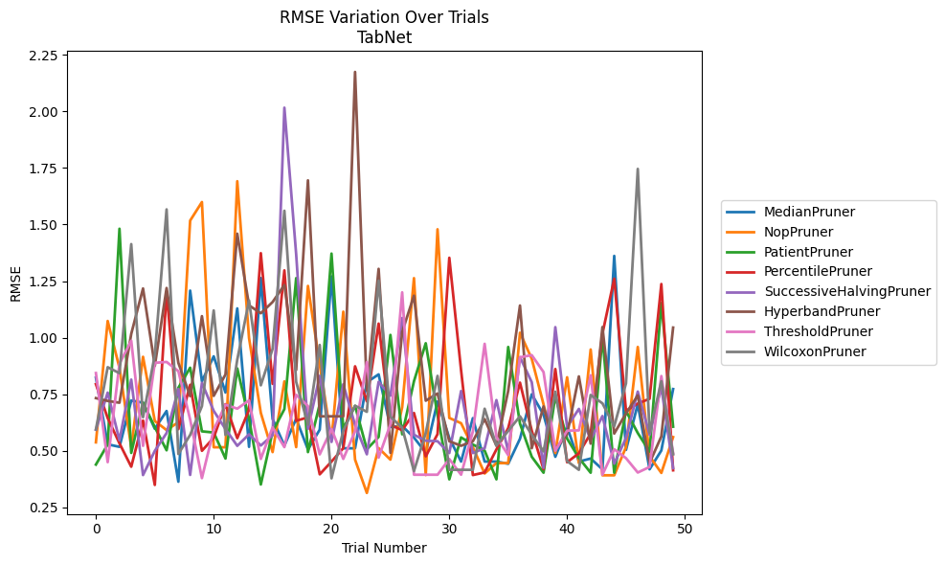
Trial | MedianPruner | NopPruner | PatientPruner | PercentilePruner | SuccessiveHalvingPruner | HyperbandPruner | ThresholdPruner | WilcoxonPruner
1 | 0.82352150242 | 0.53774022042 | 0.43959471575 | 0.79474012437 | 0.5936554221 | 0.73309032012 | 0.84384003961 | 0.59494921499
2 | 0.52901340963 | 1.0738312815 | 0.5283720825 | 0.64512755651 | 0.75738425506 | 0.72072695061 | 0.450190195 | 0.86971088024
3 | 0.51782989219 | 0.86617475987 | 1.4813036506 | 0.53335377311 | 0.54698099607 | 0.71276311073 | 0.88497499829 | 0.84333225928
4 | 0.7225170888 | 0.51600310231 | 0.49105978832 | 0.42995900588 | 0.81487022563 | 1.0169237343 | 0.98661748275 | 1.4134049054
5 | 0.71281572052 | 0.91558347676 | 0.71323702757 | 0.63400047866 | 0.39327263574 | 1.2175155551 | 0.52222980044 | 0.64880941879
6 | 0.59767448839 | 0.63202029285 | 0.60482733339 | 0.34960305377 | 0.50001452409 | 0.87544008182 | 0.88905114946 | 0.92361403626
7 | 0.67626029197 | 0.59187762719 | 0.50271390309 | 1.2040070406 | 0.57875065786 | 1.2194865125 | 0.89294704803 | 1.5667349228
8 | 0.36386284993 | 0.62663192382 | 0.77854031182 | 0.59610193466 | 0.77349405877 | 0.88891225114 | 0.85218693581 | 0.48636368428
9 | 1.2080050017 | 1.517253361 | 0.8674039196 | 0.79196508124 | 0.39384281649 | 0.74184197824 | 0.63871046317 | 0.57042441444
10 | 0.80747348406 | 1.5991974505 | 0.58636539098 | 0.5003668096 | 0.80053774758 | 1.0951664845 | 0.3797945462 | 0.69771407148
11 | 0.91775099719 | 0.51600310231 | 0.58114494616 | 0.55805824739 | 0.67688476821 | 0.74310800656 | 0.59341611215 | 1.1204325176
12 | 0.75787864014 | 0.51600310231 | 0.46623359434 | 0.70605108512 | 0.59657280921 | 0.8374469444 | 0.70394243056 | 0.57042441444
13 | 1.1294480142 | 1.6912338172 | 0.86438025773 | 0.55600450799 | 0.52228073856 | 1.4594332382 | 0.68655716408 | 0.90287019056
14 | 0.51782989219 | 0.99831250292 | 0.64124010168 | 0.68189037942 | 0.57319936245 | 1.1426522057 | 0.72284081956 | 1.1642855367
15 | 1.263528161 | 0.66768812537 | 0.35163489387 | 1.3733786031 | 0.52370951269 | 1.1080220353 | 0.46453284735 | 0.78973110122
16 | 0.64118944855 | 0.49469672204 | 0.5853598922 | 0.79608547939 | 0.56868660179 | 1.157670913 | 0.60371796743 | 0.950875486
17 | 0.5234183156 | 0.80687848667 | 0.68449958369 | 1.297343324 | 2.0159993954 | 1.2326149352 | 0.51666183098 | 1.5606965038
18 | 0.64182782323 | 0.51669250765 | 1.263258353 | 0.63301444146 | 1.3685504778 | 0.857281358 | 0.74755337751 | 0.80505279156
19 | 0.50625017785 | 1.2287871998 | 0.49469672204 | 0.64815290826 | 0.59724157074 | 1.6951585549 | 0.69791417816 | 0.61595171024
20 | 0.59388235852 | 0.88070852968 | 0.70630805858 | 0.39643780517 | 0.8312861942 | 0.65269805943 | 0.48471057693 | 0.96786763356
21 | 1.270732308 | 0.54834401157 | 1.3716038046 | 0.45287314464 | 0.53958608269 | 0.65269805943 | 0.59697832195 | 0.37883047411
22 | 0.51144657454 | 1.1149457685 | 0.59901244932 | 0.51211595593 | 0.79434269163 | 0.65269805943 | 0.46453284735 | 0.58867633143
23 | 0.51144657454 | 0.46143310225 | 0.69878844278 | 0.87357584711 | 0.614267605 | 2.1739902365 | 0.58629823328 | 0.69962359268
24 | 0.80337670237 | 0.31430072813 | 0.50711880122 | 0.71862051101 | 0.48503382611 | 0.76644761006 | 0.89238694594 | 0.67264088862
25 | 0.83796359154 | 0.51241624628 | 0.56156057824 | 1.0623135033 | 0.80499050267 | 1.3041513492 | 0.47033221437 | 1.2519498987
26 | 0.60542141342 | 0.46143310225 | 1.0123011929 | 0.61444766711 | 0.74371970185 | 0.49143806718 | 0.61731389647 | 0.65104935695
27 | 0.61008152834 | 0.69310690781 | 0.57328578951 | 0.59141133292 | 1.0870607448 | 1.0254900636 | 1.2002819607 | 0.60201680629
28 | 0.55863574306 | 1.2631042375 | 0.80768389261 | 0.66743631646 | 0.57138567746 | 1.1855132465 | 0.39475521411 | 0.41081420159
29 | 0.49268846837 | 0.39327263574 | 0.97555433013 | 0.47588138769 | 0.54478133103 | 0.7216995343 | 0.39475521411 | 0.57896031532
30 | 0.71818820806 | 1.4788950442 | 0.65846606774 | 0.57389269145 | 0.54285068494 | 0.75371236289 | 0.39475521411 | 0.8312861942
31 | 0.55669820116 | 0.64552745439 | 0.37438082684 | 1.3529814589 | 0.49046533954 | 0.54258188624 | 0.46396247288 | 0.41638206205
32 | 0.45279463761 | 0.62230193757 | 0.55937318465 | 0.85597220296 | 0.76446154006 | 0.52255308185 | 0.39475521411 | 0.41638206205
33 | 0.64452883213 | 0.51617527541 | 0.52805282337 | 0.39327263574 | 0.49046533954 | 0.54258188624 | 0.58609897804 | 0.41638206205
34 | 0.45279463761 | 0.40017139927 | 0.50101248221 | 0.40483960829 | 0.51186085932 | 0.64036414402 | 0.97297310845 | 0.68623325082
35 | 0.45279463761 | 0.44616296261 | 0.37438082684 | 0.50643817205 | 0.72433913078 | 0.52255308185 | 0.56193117097 | 0.5234183156
36 | 0.4430896059 | 0.44616296261 | 0.95905026651 | 0.6006210124 | 0.49670508017 | 0.76541390888 | 0.48133264979 | 0.58813143888
37 | 0.55350856943 | 1.0219324766 | 0.62043052215 | 0.80148630576 | 0.91408572349 | 1.1422113652 | 0.91346551223 | 0.65283876428
38 | 0.7501725737 | 0.90672722085 | 0.47400622866 | 0.58945735976 | 0.80326158327 | 0.51186085932 | 0.92296577859 | 0.57166300817
39 | 0.66041117058 | 0.70545065297 | 0.40354983376 | 0.41931457253 | 0.42525066391 | 0.69640526857 | 0.8482314374 | 0.49780922306
40 | 0.47400622866 | 0.49046533954 | 0.7417332162 | 0.86164291255 | 1.0465156297 | 0.50643817205 | 0.50087875243 | 0.76147904023
41 | 0.60579654034 | 0.82519173745 | 0.55404477492 | 0.44973526676 | 0.60600551834 | 0.57319936245 | 0.58945167671 | 0.4549939455
42 | 0.45279463761 | 0.44616296261 | 0.46914649145 | 0.48932265352 | 0.6855069511 | 0.82898324341 | 0.5905547348 | 0.41638206205
43 | 0.46623359434 | 0.94791821516 | 0.40354983376 | 0.57717710542 | 0.54849848174 | 0.53207621442 | 0.83400543958 | 0.74699878948
44 | 0.41859309055 | 0.39218900495 | 1.0064002445 | 1.0177239661 | 0.65405756298 | 1.0470564907 | 0.39475521411 | 0.71007392971
45 | 1.3613503171 | 0.39218900495 | 0.40354983376 | 1.2606412472 | 0.44375341967 | 0.57657907341 | 0.50721955131 | 0.60894258699
46 | 0.50451382852 | 0.51691187261 | 0.67603375684 | 0.67688476821 | 0.55695485992 | 0.66556048945 | 0.46780598893 | 0.79852829319
47 | 0.70613813324 | 0.95905026651 | 0.57885814815 | 0.70908961963 | 0.76202191819 | 0.74527088679 | 0.40441966828 | 1.745670032
48 | 0.41859309055 | 0.47659282969 | 0.49719228734 | 0.73013120625 | 0.57127379637 | 0.44704585654 | 0.42891496555 | 0.58094251817
49 | 0.5017440688 | 0.40265585921 | 1.1533277801 | 1.2370650537 | 0.78129974291 | 0.56375988124 | 0.83054272537 | 0.80768389261
50 | 0.77310801641 | 0.56088060007 | 0.60697811481 | 0.41428129416 | 0.4239064873 | 1.0447262461 | 0.4892093305 | 0.4847689139

RMSE_Trials_HistGradientBoosting
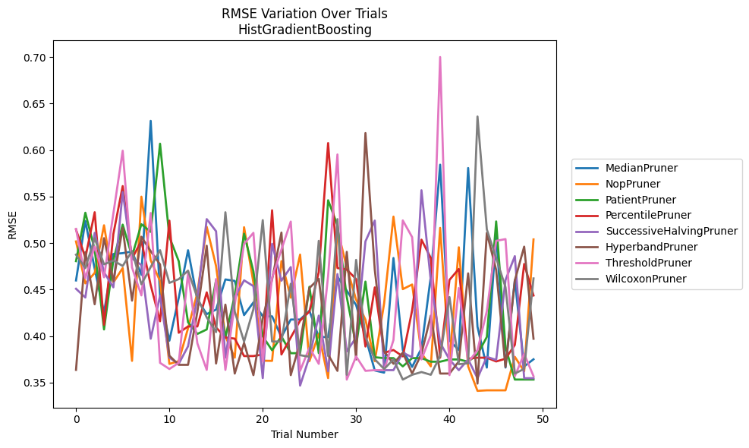
Trial | MedianPruner | NopPruner | PatientPruner | PercentilePruner | SuccessiveHalvingPruner | HyperbandPruner | ThresholdPruner | WilcoxonPruner
1 | 0.45983854672 | 0.50181924232 | 0.48062176458 | 0.51460660807 | 0.45090572398 | 0.36368803355 | 0.51529234476 | 0.48755879485
2 | 0.5238556121 | 0.4567303757 | 0.53266957069 | 0.48436662655 | 0.44149762727 | 0.49034431013 | 0.46224034572 | 0.47320276501
3 | 0.4723564553 | 0.46792846998 | 0.49304274265 | 0.53322077536 | 0.51103273686 | 0.43425870985 | 0.49637489226 | 0.50510998314
4 | 0.42492267083 | 0.51918264006 | 0.40716876471 | 0.41214820016 | 0.46861810496 | 0.50530807423 | 0.4632600421 | 0.477215747
5 | 0.48833501182 | 0.45765321927 | 0.48182991757 | 0.50976880674 | 0.45248561954 | 0.45906980653 | 0.53178761195 | 0.48134949049
6 | 0.48922711945 | 0.47320276501 | 0.51988273222 | 0.56133916505 | 0.55497361065 | 0.51639618133 | 0.59934362022 | 0.47540005167
7 | 0.49097807138 | 0.37338781699 | 0.48598861353 | 0.48342607301 | 0.4833672085 | 0.43817376144 | 0.47375390704 | 0.49156162682
8 | 0.46602877813 | 0.54996564329 | 0.52034301141 | 0.50246536153 | 0.47651921763 | 0.50687805529 | 0.44379060309 | 0.45572450587
9 | 0.63149557757 | 0.48135964818 | 0.51211981686 | 0.45474067105 | 0.397193076 | 0.49130879066 | 0.53240292561 | 0.47428198275
10 | 0.44374996274 | 0.45931187471 | 0.60691119565 | 0.4159357729 | 0.44337924574 | 0.47712054993 | 0.37125119514 | 0.49247450708
11 | 0.39510219762 | 0.37011709787 | 0.50666090894 | 0.5241701441 | 0.37684305802 | 0.37895964262 | 0.36465501877 | 0.45724435029
12 | 0.44110439919 | 0.37309435309 | 0.48062176458 | 0.40359671521 | 0.37016880609 | 0.36912028853 | 0.37125119514 | 0.46126039344
13 | 0.49235526132 | 0.40848606241 | 0.41491069519 | 0.41039106125 | 0.38906928207 | 0.36912028853 | 0.46777600304 | 0.47040592359
14 | 0.43907424224 | 0.44658313731 | 0.40235949268 | 0.41039106125 | 0.44087008356 | 0.4264151553 | 0.39218251953 | 0.44117440794
15 | 0.42367826134 | 0.51749882985 | 0.40716876471 | 0.44704753071 | 0.52583354314 | 0.49717494005 | 0.36368803355 | 0.42014189387
16 | 0.42849542312 | 0.47534560051 | 0.46004738216 | 0.40930305196 | 0.51276074594 | 0.37054712531 | 0.46140617425 | 0.40429971947
17 | 0.46094843637 | 0.39975394303 | 0.39859541903 | 0.39855573698 | 0.37684305802 | 0.43387842602 | 0.36368803355 | 0.53317677764
18 | 0.45935135631 | 0.37684305802 | 0.44391035449 | 0.39731533549 | 0.44181784547 | 0.35974863401 | 0.43387842602 | 0.42637784149
19 | 0.4225602229 | 0.51710847219 | 0.51011289739 | 0.3785667023 | 0.45998830242 | 0.3927676122 | 0.49923076655 | 0.3941702896
20 | 0.43621347532 | 0.45745843274 | 0.46967574141 | 0.3785667023 | 0.45377336314 | 0.35804180829 | 0.51105293289 | 0.42903462324
21 | 0.4212867707 | 0.37355841034 | 0.39975394303 | 0.38026695545 | 0.35485463295 | 0.4187105549 | 0.37279833544 | 0.52469461404
22 | 0.4212867707 | 0.37338781699 | 0.38477008602 | 0.53531552076 | 0.49929978889 | 0.46092962034 | 0.46298415941 | 0.3941702896
23 | 0.39900660972 | 0.48063163879 | 0.39975394303 | 0.38026695545 | 0.45959140422 | 0.51133867091 | 0.49303634545 | 0.3941702896
24 | 0.41784024259 | 0.44137307349 | 0.38163514307 | 0.39850043985 | 0.47420969279 | 0.35804180829 | 0.52316524464 | 0.45631496403
25 | 0.41784024259 | 0.48765929132 | 0.38163514307 | 0.41666431646 | 0.34679419309 | 0.39333386461 | 0.36265126293 | 0.37950565499
26 | 0.42725136575 | 0.37309435309 | 0.45305983402 | 0.4264151553 | 0.37772499733 | 0.45179018391 | 0.38757080847 | 0.37784287316
27 | 0.39900660972 | 0.40232742668 | 0.38163514307 | 0.46881118073 | 0.42200105164 | 0.46168500926 | 0.37019302552 | 0.50246866225
28 | 0.39900660972 | 0.35485463295 | 0.54610916568 | 0.60760086483 | 0.36219799636 | 0.38018079912 | 0.46469902507 | 0.37866037961
29 | 0.46396039191 | 0.51472518763 | 0.51909485034 | 0.47319568168 | 0.466716767 | 0.36265126293 | 0.59533321986 | 0.52583354314
30 | 0.44886339913 | 0.47390460852 | 0.44204645548 | 0.47160199331 | 0.3835929984 | 0.49059291243 | 0.35328686054 | 0.35842175963
31 | 0.43343100163 | 0.43915203817 | 0.38947926599 | 0.46128307815 | 0.39859642567 | 0.37489918082 | 0.37815098428 | 0.48198527324
32 | 0.39900660972 | 0.41766129562 | 0.45864331566 | 0.38880601065 | 0.50186988993 | 0.61837922393 | 0.36265126293 | 0.39897007103
33 | 0.36304813086 | 0.37309435309 | 0.37727421027 | 0.45237653199 | 0.52422348086 | 0.47137513607 | 0.36340682324 | 0.37501144457
34 | 0.36073414956 | 0.4351926944 | 0.37635103754 | 0.38207046728 | 0.36340682324 | 0.38360210779 | 0.36340682324 | 0.36465501877
35 | 0.48397744452 | 0.52849770184 | 0.37635103754 | 0.38503186489 | 0.36340682324 | 0.37029938757 | 0.39579257348 | 0.37501144457
36 | 0.38503186489 | 0.45052923498 | 0.36745130398 | 0.37820769961 | 0.3822405073 | 0.3822405073 | 0.52437461156 | 0.35328686054
37 | 0.36687641482 | 0.45550215716 | 0.37635103754 | 0.42767580398 | 0.37727421027 | 0.35974863401 | 0.50645436345 | 0.35842175963
38 | 0.38691522405 | 0.3815357235 | 0.37635103754 | 0.50369774904 | 0.55687857767 | 0.38099189771 | 0.37489918082 | 0.36135480959
39 | 0.46412706876 | 0.36745130398 | 0.37248867311 | 0.48397744452 | 0.45963833062 | 0.42206936532 | 0.4010249065 | 0.35842175963
40 | 0.58436523265 | 0.516415235 | 0.37248867311 | 0.37680074175 | 0.39279450363 | 0.35974863401 | 0.70010218119 | 0.37857111815
41 | 0.39523623783 | 0.37242922868 | 0.37489918082 | 0.46044942927 | 0.37488254197 | 0.35976812926 | 0.35804180829 | 0.44198396554
42 | 0.38503186489 | 0.49553511651 | 0.37489918082 | 0.47224966052 | 0.36340682324 | 0.37279833544 | 0.45179018391 | 0.36980539722
43 | 0.58080557981 | 0.36745130398 | 0.37248867311 | 0.37570397659 | 0.37489918082 | 0.46746949723 | 0.37171465775 | 0.37076557904
44 | 0.41001505863 | 0.34113755856 | 0.38051522635 | 0.37680074175 | 0.35474912968 | 0.3489548839 | 0.38497143574 | 0.63615030057
45 | 0.36617568383 | 0.34170534902 | 0.39905609988 | 0.37680074175 | 0.37774971888 | 0.51104235536 | 0.42678095138 | 0.51472518763
46 | 0.50946006996 | 0.34170534902 | 0.52333177726 | 0.37274718788 | 0.37438974657 | 0.47112256832 | 0.50246866225 | 0.48397125802
47 | 0.36617568383 | 0.34170534902 | 0.38812888099 | 0.37570397659 | 0.46030443896 | 0.36687641482 | 0.50430781247 | 0.45252347883
48 | 0.46013940765 | 0.37772499733 | 0.35328686054 | 0.39050185916 | 0.48599219588 | 0.45994601137 | 0.35697310882 | 0.35974863401
49 | 0.36745130398 | 0.36219799636 | 0.35328686054 | 0.47757476036 | 0.35474912968 | 0.49620959069 | 0.38088802031 | 0.36478053025
50 | 0.37508923674 | 0.50398592216 | 0.35328686054 | 0.443727958 | 0.35474912968 | 0.39716305923 | 0.35697310882 | 0.46204241028

RMSE_Trials_PGBM
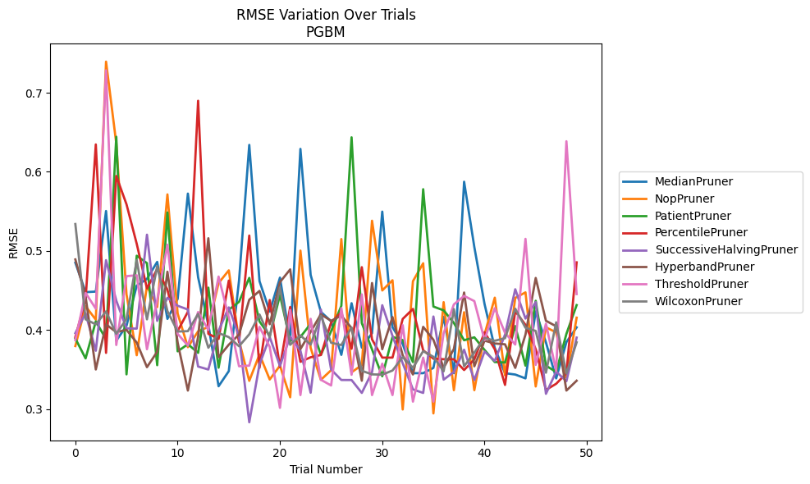
Trial | MedianPruner | NopPruner | PatientPruner | PercentilePruner | SuccessiveHalvingPruner | HyperbandPruner | ThresholdPruner | WilcoxonPruner
1 | 0.48499873856 | 0.37960472938 | 0.38916971582 | 0.39115901984 | 0.39596982425 | 0.48912414845 | 0.38713228668 | 0.53391691883
2 | 0.44775537039 | 0.42999016615 | 0.36394794997 | 0.43826992998 | 0.42104162954 | 0.44229814281 | 0.44677627057 | 0.41345525094
3 | 0.44847080007 | 0.41288570086 | 0.41078555798 | 0.63457439487 | 0.37364782309 | 0.34998541009 | 0.4268289617 | 0.40703943966
4 | 0.55035468667 | 0.73931559627 | 0.38830327805 | 0.3709837918 | 0.48820737434 | 0.40702280132 | 0.72836132912 | 0.42341056301
5 | 0.38634938048 | 0.63596937913 | 0.64428777642 | 0.59463024709 | 0.43701267326 | 0.3971366687 | 0.38093884159 | 0.39500402378
6 | 0.40519651734 | 0.44498041523 | 0.3437931997 | 0.55884993841 | 0.40186901864 | 0.40009022332 | 0.46799791471 | 0.41391470442
7 | 0.45602431849 | 0.36799931244 | 0.49385203059 | 0.50887700933 | 0.40164633763 | 0.38398753072 | 0.46912248189 | 0.48829200699
8 | 0.46451840543 | 0.45551520054 | 0.48444183017 | 0.45250961758 | 0.520433647 | 0.35288248133 | 0.37556331433 | 0.41340207275
9 | 0.48602857916 | 0.42892706527 | 0.35540556427 | 0.47697604385 | 0.41149170134 | 0.37241801591 | 0.43745124196 | 0.48071428879
10 | 0.41397908755 | 0.57137164261 | 0.54853828583 | 0.45085799353 | 0.44066939087 | 0.47358096991 | 0.5077461478 | 0.42385520368
11 | 0.43923779622 | 0.42069378183 | 0.37293067411 | 0.39862399891 | 0.43053824705 | 0.38392017192 | 0.39500669195 | 0.39795435775
12 | 0.57238938916 | 0.37816457351 | 0.38189761718 | 0.42289607995 | 0.42580030351 | 0.32331420626 | 0.38018913767 | 0.39843902252
13 | 0.4666082129 | 0.39818997554 | 0.3709837918 | 0.68980811732 | 0.35368810594 | 0.39125475668 | 0.42266406751 | 0.420276311
14 | 0.40653245454 | 0.40386415858 | 0.45345192536 | 0.39508060606 | 0.34992953948 | 0.51595394752 | 0.39992257651 | 0.37747683801
15 | 0.3287468327 | 0.45925134876 | 0.35221191423 | 0.3885740744 | 0.39889919447 | 0.36548864466 | 0.46746684098 | 0.3960592257
16 | 0.34789413819 | 0.47534278073 | 0.4254786506 | 0.4623714839 | 0.42851499145 | 0.38134722996 | 0.41580351857 | 0.39088073988
17 | 0.46229691729 | 0.38653713159 | 0.43552975536 | 0.38449005374 | 0.39221450166 | 0.39417763582 | 0.35401807749 | 0.37936953355
18 | 0.63397328428 | 0.3356002345 | 0.4657734254 | 0.5193218979 | 0.2832083412 | 0.43815186439 | 0.35483544057 | 0.3944310934
19 | 0.4616667597 | 0.36896704319 | 0.41077930188 | 0.3521418188 | 0.35632517987 | 0.44930143858 | 0.40379695551 | 0.419506938
20 | 0.42319448926 | 0.33730947457 | 0.39242156827 | 0.43780105226 | 0.39100924735 | 0.40725239062 | 0.37853075705 | 0.39063680429
21 | 0.46611734789 | 0.35478943144 | 0.4441563283 | 0.35305191673 | 0.35451365286 | 0.46041418928 | 0.3014609175 | 0.45367899996
22 | 0.38634938048 | 0.31485138301 | 0.38606692782 | 0.42901461095 | 0.39155950611 | 0.47657616465 | 0.4251505232 | 0.38116116417
23 | 0.6289305958 | 0.50032126196 | 0.39108677162 | 0.35971108751 | 0.37373753422 | 0.37578903468 | 0.31759010222 | 0.39308364893
24 | 0.46956017977 | 0.37731720448 | 0.40771030823 | 0.36541253788 | 0.32055740131 | 0.39759899515 | 0.41401138441 | 0.38137296402
25 | 0.42278489793 | 0.33688030048 | 0.3683937859 | 0.36829118501 | 0.42574883166 | 0.41973286396 | 0.33697410498 | 0.41801834395
26 | 0.41093645807 | 0.34901716156 | 0.39840628909 | 0.40927412683 | 0.34992953948 | 0.41148417111 | 0.32973696948 | 0.38376217364
27 | 0.3684766367 | 0.51491589341 | 0.43049897901 | 0.42240521776 | 0.33668257021 | 0.41815035513 | 0.4275675862 | 0.38085397148
28 | 0.43377882488 | 0.34638895161 | 0.64357642652 | 0.37616976346 | 0.3366185511 | 0.40236615126 | 0.3433026232 | 0.40308354342
29 | 0.37756973572 | 0.35555545007 | 0.40865738481 | 0.47933344682 | 0.32033127636 | 0.33574418478 | 0.44493532347 | 0.34834695303
30 | 0.39581642661 | 0.53808728188 | 0.3754015383 | 0.38807535384 | 0.34650808611 | 0.45930235465 | 0.31759010222 | 0.34376565767
31 | 0.54959562817 | 0.44987838186 | 0.3414156844 | 0.36496091595 | 0.43123699791 | 0.37558733447 | 0.35732197772 | 0.34343999343
32 | 0.40349541547 | 0.46282452167 | 0.39121197498 | 0.36496091595 | 0.39244257018 | 0.41628304808 | 0.31759010222 | 0.34865510444
33 | 0.38228322213 | 0.29937053862 | 0.38711579347 | 0.41387176827 | 0.35775617474 | 0.36778693407 | 0.40603523882 | 0.36568956148
34 | 0.34527709947 | 0.46159921065 | 0.35936327339 | 0.42656329201 | 0.32475456904 | 0.34361328596 | 0.30929603224 | 0.35215018582
35 | 0.34527709947 | 0.48427561303 | 0.57794995581 | 0.3742723343 | 0.32033127636 | 0.40389785581 | 0.3648884686 | 0.37316635105
36 | 0.35197525285 | 0.29440412703 | 0.42955166407 | 0.36361765746 | 0.41695053447 | 0.38756901394 | 0.30929603224 | 0.36595917781
37 | 0.41658342071 | 0.43510498016 | 0.42472966032 | 0.36291804792 | 0.33711540753 | 0.35196858364 | 0.39572434949 | 0.34762768078
38 | 0.34527709947 | 0.32377465561 | 0.40882157476 | 0.36291804792 | 0.34684972775 | 0.37590492011 | 0.43225224299 | 0.42633350035
39 | 0.58741273859 | 0.42237719974 | 0.38692471551 | 0.34926973251 | 0.37492688805 | 0.44728846636 | 0.44301975285 | 0.35405051235
40 | 0.50479907135 | 0.32377567586 | 0.39063680429 | 0.36273137908 | 0.33654453882 | 0.35401823029 | 0.43644074933 | 0.3713093131
41 | 0.43266369882 | 0.39436083303 | 0.37463168717 | 0.39709979391 | 0.37268774245 | 0.386423562 | 0.3870793891 | 0.38995425736
42 | 0.37706403051 | 0.44075891853 | 0.35936327339 | 0.37556331433 | 0.36071133442 | 0.38284128724 | 0.42753640298 | 0.38629100838
43 | 0.34527709947 | 0.34249149712 | 0.35884108931 | 0.33046770793 | 0.3940851211 | 0.38179405406 | 0.39624977387 | 0.38954198991
44 | 0.34354730165 | 0.44048510149 | 0.40482828663 | 0.42369356969 | 0.45139738644 | 0.35196858364 | 0.38146648837 | 0.4268645753
45 | 0.33870487108 | 0.44749341159 | 0.35478533647 | 0.40635563849 | 0.41433225478 | 0.39407327224 | 0.51518284685 | 0.40271013696
46 | 0.42340601629 | 0.3284926643 | 0.43683396225 | 0.37556965553 | 0.43517891702 | 0.46568967211 | 0.35578716174 | 0.3987308731
47 | 0.38418076223 | 0.40326499396 | 0.35478533647 | 0.32410348258 | 0.31921634996 | 0.4115849482 | 0.40791026829 | 0.34588548224
48 | 0.33870487108 | 0.39692171614 | 0.34684972775 | 0.33190205132 | 0.34733334641 | 0.40457175926 | 0.34812909441 | 0.40957999919
49 | 0.3845577034 | 0.34019614286 | 0.39498802383 | 0.34515847925 | 0.33510731645 | 0.3233139134 | 0.63858310588 | 0.34477333031
50 | 0.40320448376 | 0.41547239892 | 0.43137607302 | 0.48543741137 | 0.3902621665 | 0.33574364093 | 0.44531981727 | 0.38428156474

