RMSE_Trials_Random Forest
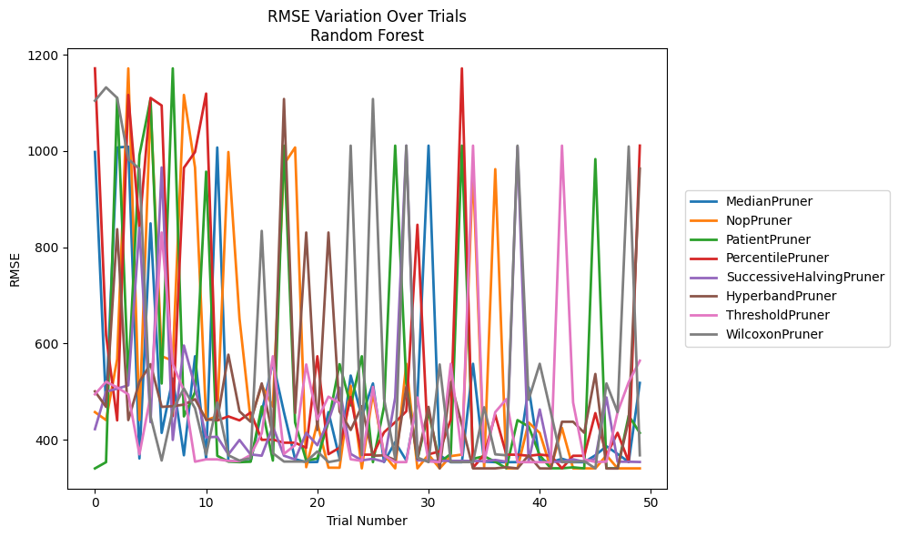
Trial | MedianPruner | NopPruner | PatientPruner | PercentilePruner | SuccessiveHalvingPruner | HyperbandPruner | ThresholdPruner | WilcoxonPruner
1 | 997.83574153 | 457.3472141 | 340.30689981 | 1171.5615548 | 421.92423005 | 500.40543058 | 494.2810305 | 1104.4330586
2 | 469.28616327 | 440.76515693 | 353.3178545 | 617.3179712 | 499.8900312 | 468.27765655 | 520.45585459 | 1132.1227969
3 | 1007.1959688 | 567.23662114 | 1110.2211945 | 440.10078206 | 506.04411066 | 837.44268748 | 508.72031536 | 1110.2215006
4 | 1008.9993714 | 1171.5615478 | 524.54944129 | 1116.4572634 | 513.05665762 | 440.77071574 | 494.15859119 | 983.05613209
5 | 360.99178338 | 440.76564753 | 991.23959609 | 840.44751854 | 840.44751854 | 520.27476948 | 369.55680709 | 962.70386015
6 | 849.52320741 | 1094.4485442 | 1107.9795116 | 1110.22111 | 436.42209393 | 556.98584194 | 491.13172076 | 448.43045208
7 | 414.13860295 | 573.41882478 | 516.74069755 | 1094.4504813 | 965.73856404 | 468.19320005 | 830.52514346 | 356.74638985
8 | 527.23397553 | 564.16817378 | 1171.6027038 | 448.89677359 | 399.47581873 | 469.72984485 | 556.9359227 | 462.55061938
9 | 367.62476711 | 1116.4572756 | 448.42303057 | 965.01635808 | 595.68240959 | 472.87360604 | 502.22876413 | 506.33589434
10 | 573.41776147 | 965.7385615 | 498.60006595 | 997.83574153 | 509.97992656 | 484.2660582 | 354.30942305 | 465.36083933
11 | 359.93302319 | 440.76515693 | 957.00456185 | 1119.2313762 | 404.91873342 | 442.09344261 | 359.19093222 | 369.06005245
12 | 1007.196115 | 448.67861375 | 366.57788161 | 440.10078206 | 406.02879288 | 440.77039275 | 359.13551631 | 477.32808178
13 | 355.36273995 | 997.83574153 | 354.51795842 | 448.42313988 | 369.44230364 | 576.67471129 | 355.96412424 | 367.62476711
14 | 355.36273995 | 651.67763333 | 353.36461328 | 440.14490866 | 399.47581873 | 458.99921373 | 355.32433747 | 356.57748293
15 | 355.36273995 | 440.76515693 | 354.28209327 | 456.58717438 | 369.44230364 | 437.26296497 | 368.2587874 | 361.63531111
16 | 457.04888021 | 513.30108141 | 469.06770065 | 399.70342883 | 366.78683646 | 516.94969964 | 413.36774025 | 833.87781574
17 | 561.06627745 | 469.07634675 | 356.62574421 | 400.31225673 | 427.51131851 | 408.79871865 | 573.4172405 | 371.82632772
18 | 456.73868703 | 972.43489906 | 1011.0535177 | 393.75788272 | 366.78683646 | 1108.0020997 | 370.4661024 | 354.58623213
19 | 359.60896316 | 1007.1959688 | 435.72678608 | 393.76347832 | 358.90498607 | 455.41715028 | 388.87999656 | 354.56928104
20 | 353.3749848 | 342.89704444 | 356.57222105 | 383.26234494 | 414.22214952 | 830.52514346 | 556.36500172 | 354.58623213
21 | 353.71300587 | 434.51991841 | 361.01310258 | 573.41922543 | 388.50869568 | 420.23029243 | 442.09344261 | 375.65993234
22 | 457.40784349 | 341.89812087 | 437.26296497 | 369.8372012 | 438.84091759 | 830.52514346 | 489.4440128 | 353.4547938
23 | 361.13924953 | 341.72553068 | 556.94985105 | 383.26234494 | 508.07666303 | 458.61439554 | 475.64465803 | 357.63753695
24 | 533.31252695 | 512.05427544 | 471.2538414 | 489.03165636 | 370.42893052 | 420.22432499 | 359.34917361 | 1011.0535177
25 | 448.52383568 | 340.43507077 | 573.41754226 | 368.87141214 | 357.11489556 | 469.61953018 | 355.88078512 | 367.97136969
26 | 516.87169566 | 496.92626931 | 353.35908917 | 368.95796894 | 360.37104403 | 366.73508596 | 509.69864087 | 1108.0020997
27 | 353.71300587 | 368.87141214 | 469.06786665 | 415.43314922 | 354.28209327 | 367.43611292 | 367.23251513 | 484.58152463
28 | 394.9886478 | 340.43334241 | 1011.0535177 | 436.39616026 | 487.24717761 | 357.74989247 | 353.43877272 | 360.95698875
29 | 356.83726665 | 557.86099737 | 518.19928491 | 459.00103778 | 1011.0535177 | 509.80469999 | 353.44590303 | 1011.0535177
30 | 483.12506491 | 340.43158917 | 359.04423523 | 846.63051706 | 357.11489556 | 360.36944187 | 487.76330313 | 363.06721632
31 | 1011.0535177 | 369.0883519 | 457.34721557 | 369.72404438 | 357.11489556 | 468.24475487 | 354.82547905 | 353.47501847
32 | 367.43872795 | 340.43201735 | 353.33933743 | 375.51518815 | 355.99988296 | 340.41857049 | 353.44590303 | 556.36500172
33 | 353.30269062 | 365.93317582 | 370.31483555 | 442.08187533 | 355.99988296 | 519.95693919 | 557.77420912 | 353.5024727
34 | 353.28332256 | 369.12210817 | 1011.0535177 | 1171.5615478 | 355.99988296 | 431.00946177 | 367.6360613 | 353.50207971
35 | 557.77459263 | 962.1751975 | 360.32816572 | 341.75027523 | 355.89454875 | 340.40950463 | 1011.0535177 | 353.50207971
36 | 354.40714953 | 342.8111801 | 365.63737296 | 368.87141214 | 355.17309743 | 340.40949476 | 353.44903036 | 467.41544099
37 | 353.36716754 | 962.1751975 | 354.25773901 | 451.47319959 | 357.88284565 | 340.426402 | 457.34718803 | 369.54654227
38 | 353.36716754 | 340.43334241 | 340.60942584 | 368.87141214 | 354.30942305 | 342.81112244 | 484.27443142 | 367.62881682
39 | 353.36716754 | 340.42420408 | 440.70896614 | 368.87141214 | 1008.9994512 | 340.40949476 | 353.36997766 | 1011.0535177
40 | 508.71947455 | 435.72663365 | 427.51131844 | 366.57788161 | 354.30942305 | 367.61735877 | 353.36997766 | 483.09714714
41 | 357.50971721 | 414.14102343 | 367.57646136 | 369.07503965 | 462.82303081 | 340.41974359 | 353.36997766 | 557.7741892
42 | 353.36997766 | 340.40826046 | 340.61110852 | 366.57788161 | 354.30942305 | 340.15927878 | 353.33398923 | 456.7474216
43 | 360.38434646 | 424.45428068 | 340.61110852 | 340.411003 | 354.30942305 | 437.25870781 | 1011.0535177 | 353.47440298
44 | 353.30269062 | 340.40950463 | 342.58073443 | 366.57788161 | 359.21448682 | 437.25874536 | 477.45052696 | 353.47440298
45 | 353.32912161 | 340.41269349 | 340.42491106 | 366.61206715 | 354.30942305 | 414.40745617 | 359.09964285 | 355.4346868
46 | 367.6360613 | 340.40950463 | 983.05613209 | 455.23612415 | 360.30466582 | 536.57669017 | 353.70282143 | 340.4132671
47 | 386.38963299 | 367.61735837 | 340.4249208 | 367.61770141 | 487.85600421 | 340.15921112 | 354.28260929 | 516.95743156
48 | 370.42676346 | 340.40949476 | 340.4249208 | 414.4084719 | 354.28209327 | 340.15921112 | 457.24208899 | 457.23324138
49 | 353.74990186 | 340.40949476 | 450.03675642 | 354.20365061 | 354.20365061 | 440.82688307 | 519.59390636 | 1009.3247832
50 | 517.99438699 | 340.40949476 | 414.13860295 | 1011.0535177 | 353.70090859 | 963.38707652 | 564.15432437 | 367.6360613

RMSE_Trials_Gradient Boosting
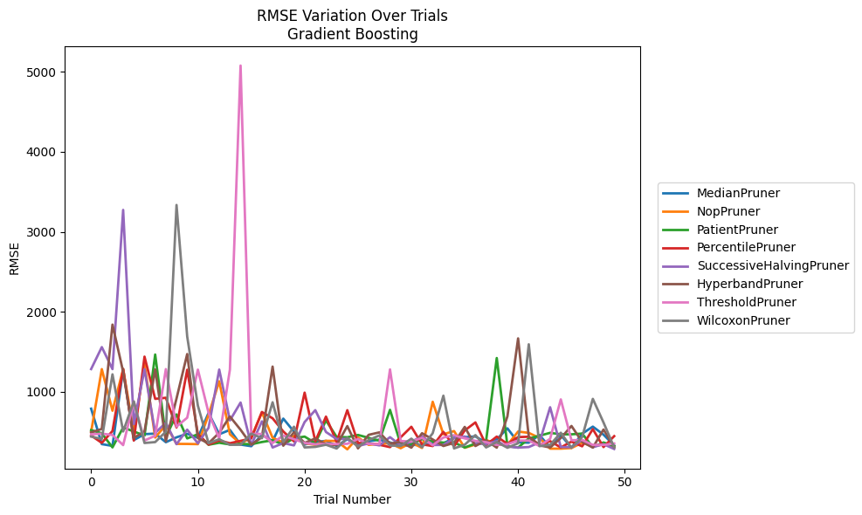
Trial | MedianPruner | NopPruner | PatientPruner | PercentilePruner | SuccessiveHalvingPruner | HyperbandPruner | ThresholdPruner | WilcoxonPruner
1 | 790.83899299 | 501.40360732 | 523.21434135 | 455.5299473 | 1285.593883 | 493.52045408 | 470.15451333 | 441.76864715
2 | 347.9494083 | 1284.6706435 | 482.74358044 | 363.48007272 | 1559.6857603 | 537.69530259 | 478.55377958 | 412.39182234
3 | 325.67127226 | 765.04790687 | 307.08694316 | 511.25761674 | 1284.6822875 | 1840.7153508 | 462.13984515 | 1219.4771675
4 | 1284.6752662 | 1284.6822875 | 555.76282903 | 1284.6820811 | 3273.1685275 | 1251.1751366 | 335.53375032 | 506.320722
5 | 398.70222761 | 498.49665033 | 505.69142215 | 392.33153494 | 597.0605039 | 424.73448902 | 876.63228268 | 881.43502447
6 | 472.3632239 | 1348.6576241 | 454.28521733 | 1440.6419997 | 1283.8800774 | 506.18981639 | 392.57042152 | 361.96984651
7 | 479.6760282 | 429.90330087 | 1467.0116554 | 913.38494336 | 488.37506863 | 1280.6592379 | 452.69572501 | 373.28482846
8 | 371.78172039 | 588.39052903 | 435.44470511 | 926.86351642 | 613.89177883 | 383.26811943 | 1284.6627458 | 503.56997735
9 | 432.8626507 | 350.91651645 | 719.1384039 | 556.53731446 | 347.23888453 | 917.8450093 | 567.2854208 | 3334.8109712
10 | 476.65070866 | 350.17425687 | 419.05573784 | 1276.7623619 | 528.10819584 | 1472.8793198 | 677.50081934 | 1691.6681723
11 | 428.3757052 | 347.78408352 | 471.47260682 | 472.05479579 | 357.62060876 | 422.96430516 | 1278.434986 | 828.34127644
12 | 737.81276779 | 713.02136408 | 340.22433121 | 342.8445023 | 551.26106779 | 358.20737743 | 739.18486489 | 359.33460261
13 | 471.26074421 | 1132.9790693 | 364.64254135 | 393.52306001 | 1279.0811131 | 489.73246576 | 418.07017534 | 409.38742365
14 | 525.82459894 | 471.13112316 | 344.22317272 | 359.10058644 | 643.87960137 | 692.884428 | 1279.4838108 | 339.45805339
15 | 342.09938295 | 353.12066971 | 351.05574044 | 388.95670524 | 867.21971318 | 527.13268121 | 5076.1329122 | 339.97206789
16 | 321.95355588 | 431.35780467 | 346.5227819 | 418.54054289 | 337.22536581 | 341.13099665 | 475.70824057 | 479.13785214
17 | 463.15276029 | 744.88459891 | 374.27430254 | 749.08777572 | 632.29689934 | 434.32811219 | 474.79941868 | 422.05173656
18 | 385.34619821 | 426.63249817 | 396.04528131 | 670.37385368 | 305.59599031 | 1316.3643296 | 361.87902444 | 870.22674059
19 | 666.62909729 | 368.18491402 | 341.656897 | 505.97121293 | 360.86121299 | 327.94914121 | 455.11110894 | 373.5443196
20 | 504.37569423 | 451.71533833 | 422.94606017 | 382.76151145 | 331.95776629 | 495.91887883 | 409.42020396 | 565.04770329
21 | 343.03452503 | 359.46549976 | 441.83566699 | 990.90832655 | 623.86704819 | 363.18131631 | 361.87902444 | 306.43718717
22 | 371.94483805 | 339.37345037 | 361.21475591 | 383.60695909 | 772.13401206 | 418.39962355 | 346.46218038 | 313.28647435
23 | 389.0207389 | 389.48209422 | 643.61992611 | 691.61727883 | 499.44658164 | 345.9540175 | 349.05948885 | 340.28780428
24 | 325.01322795 | 386.76973386 | 438.16075041 | 376.09504337 | 411.21336809 | 335.71510075 | 349.16243391 | 293.07583461
25 | 408.30515531 | 283.14109964 | 433.58439923 | 771.74827838 | 413.72941298 | 573.18900794 | 351.93729165 | 426.47435284
26 | 336.7409393 | 432.36877884 | 462.55943065 | 362.83662753 | 324.08989246 | 294.70945232 | 412.2400713 | 317.80912322
27 | 382.97023472 | 338.39665488 | 426.23399728 | 357.3106214 | 357.71751577 | 464.01948326 | 349.66445515 | 398.81362421
28 | 402.96218895 | 351.49725886 | 390.67421605 | 339.77051914 | 332.02672518 | 494.38112888 | 349.06573399 | 456.086433
29 | 368.82374837 | 359.77046859 | 776.19820853 | 310.37337352 | 434.93900786 | 353.96801759 | 1281.0314716 | 330.36850899
30 | 323.37822925 | 296.55068555 | 346.57679101 | 433.25635666 | 332.72247913 | 377.51159738 | 387.19241243 | 325.11792193
31 | 338.13625008 | 368.29504166 | 349.42741104 | 564.542552 | 376.18671965 | 303.12265205 | 380.15240499 | 416.24967564
32 | 336.11437877 | 300.23318707 | 410.98121585 | 344.92837967 | 448.50857396 | 484.11584211 | 427.17970625 | 308.06986281
33 | 356.63164398 | 876.61832161 | 381.81560843 | 323.75024532 | 336.75202755 | 406.15894169 | 333.8759056 | 484.22462668
34 | 356.37972409 | 470.89103963 | 366.92591184 | 500.49882286 | 337.94745125 | 324.57700415 | 430.54591453 | 952.56204809
35 | 428.24167728 | 510.96981482 | 369.42207204 | 320.36040239 | 420.59285129 | 363.32035481 | 458.71907381 | 294.21597125
36 | 436.30552006 | 302.3025655 | 305.43068225 | 519.02872772 | 443.82056252 | 562.89520259 | 419.06575252 | 340.6805567
37 | 443.44679323 | 342.4033922 | 354.91602367 | 618.90284983 | 354.30183733 | 324.07685157 | 388.80025194 | 460.28105993
38 | 368.63112751 | 401.03515034 | 387.99738481 | 337.22345663 | 349.94472749 | 395.91769012 | 372.53386404 | 306.43718717
39 | 406.36538587 | 341.42638655 | 1423.2744045 | 442.06904547 | 386.12977321 | 303.60457978 | 338.12546846 | 373.76895027
40 | 544.94423059 | 337.56022717 | 325.09269024 | 351.32041122 | 317.82322493 | 694.26567198 | 347.88539585 | 302.56435191
41 | 369.9483882 | 505.16157719 | 304.46527356 | 435.53420443 | 304.35747846 | 1668.7457704 | 392.07257627 | 358.90471427
42 | 366.02537027 | 488.23195095 | 418.51955257 | 440.33928709 | 311.47127965 | 440.18330984 | 392.27480694 | 1594.9074722
43 | 461.60527608 | 424.92295381 | 452.39759181 | 338.22715028 | 368.83080982 | 332.79187946 | 324.08097781 | 323.16866562
44 | 305.37566184 | 291.42267074 | 489.02698925 | 385.22595232 | 808.34514645 | 305.96478688 | 414.39702179 | 338.96150705
45 | 461.6316493 | 291.42267074 | 470.17275954 | 306.29454981 | 311.47127965 | 423.86760171 | 906.55618012 | 490.0369282
46 | 301.96132273 | 299.25024361 | 470.26592363 | 379.54810879 | 308.90893377 | 574.63370914 | 396.43012346 | 302.56435191
47 | 478.15632992 | 364.97834067 | 479.62448974 | 320.32802272 | 399.02999921 | 377.0354373 | 399.26876416 | 436.0056397
48 | 566.5929655 | 318.68967592 | 309.97986064 | 535.48307748 | 310.01459504 | 304.41193114 | 338.12415341 | 913.38494336
49 | 466.31060789 | 346.27911792 | 368.74662632 | 311.11499001 | 347.07265752 | 530.37272746 | 337.99761326 | 618.25774475
50 | 330.92572649 | 315.96038232 | 322.25412044 | 447.36712881 | 287.60152338 | 308.18299311 | 355.36047581 | 306.90295311

RMSE_Trials_XGBoost
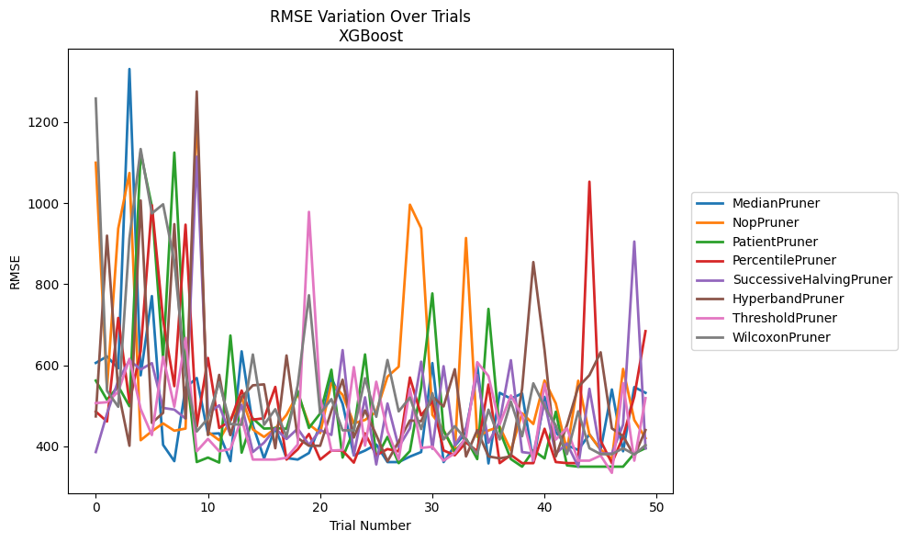
Trial | MedianPruner | NopPruner | PatientPruner | PercentilePruner | SuccessiveHalvingPruner | HyperbandPruner | ThresholdPruner | WilcoxonPruner
1 | 605.65822729 | 1099.6762019 | 561.98659256 | 485.53949407 | 385.67019772 | 473.64139881 | 506.40663015 | 1258.0752073
2 | 621.66474498 | 543.99408301 | 514.57990819 | 461.05577297 | 480.55236122 | 919.71829542 | 508.72865181 | 536.97875987
3 | 592.17630843 | 937.18134502 | 548.28582942 | 716.71221841 | 561.98659256 | 537.26232081 | 534.3634259 | 497.49298455
4 | 1330.893377 | 1074.3693463 | 498.8158131 | 508.1760503 | 612.33395479 | 401.23284746 | 615.76117169 | 913.04231496
5 | 574.99654919 | 414.91040772 | 1124.8769246 | 635.24196597 | 589.58222283 | 1006.5320438 | 491.76806597 | 1133.4553318
6 | 770.61897925 | 437.04807578 | 991.91780107 | 994.58912659 | 605.09180385 | 457.64791498 | 427.74320871 | 974.61141329
7 | 403.36715227 | 456.35281583 | 616.0747886 | 711.94820045 | 494.60598857 | 482.25327857 | 620.74417502 | 997.11978386
8 | 363.22942212 | 438.38537502 | 1124.6385516 | 548.2772579 | 490.43689906 | 948.0618277 | 497.6796697 | 856.04108738
9 | 544.82235335 | 443.6288829 | 601.39441828 | 946.77838917 | 468.42976519 | 468.72744934 | 667.44456388 | 578.51300229
10 | 568.39817791 | 1227.158795 | 361.07876422 | 448.26615131 | 1114.5992412 | 1275.3333752 | 387.67549756 | 436.45020298
11 | 430.45574784 | 435.4223757 | 372.08876327 | 617.93394773 | 480.91990026 | 427.6687061 | 418.1735851 | 469.09599568
12 | 431.86559707 | 414.91040772 | 359.77869384 | 445.15300942 | 501.05675342 | 576.16583825 | 387.67549756 | 557.76921295
13 | 363.22942212 | 463.77975798 | 673.18847124 | 462.87736561 | 427.82766195 | 427.66881994 | 392.98849554 | 454.79811088
14 | 634.24494607 | 519.67663935 | 384.25402744 | 537.56556533 | 502.15782387 | 521.38059239 | 468.43177611 | 452.96840487
15 | 451.60093403 | 441.48083222 | 468.59236253 | 465.67045481 | 385.67353083 | 550.32639612 | 367.18957796 | 626.37928489
16 | 369.8617758 | 423.10615277 | 443.60468065 | 469.00056126 | 408.99361794 | 552.74121175 | 367.18696379 | 452.96844357
17 | 446.11107549 | 443.71167728 | 444.62727629 | 546.40597471 | 443.86985702 | 395.12454349 | 367.18696379 | 491.44155609
18 | 370.98692872 | 477.37927759 | 443.15074498 | 367.18696889 | 417.85614078 | 624.0267849 | 371.52767145 | 423.72777786
19 | 367.18729748 | 529.51611784 | 536.41875618 | 392.41190606 | 443.52755044 | 420.33332124 | 404.37235867 | 550.59420974
20 | 383.31709335 | 454.1035933 | 445.15380021 | 430.36917788 | 403.48774907 | 401.23192099 | 978.35129793 | 772.65705762
21 | 451.93354248 | 432.50216743 | 480.79550499 | 367.18696889 | 439.9094832 | 401.23192099 | 520.89879117 | 480.9062236
22 | 569.60140364 | 555.64290674 | 588.87656407 | 389.31830404 | 427.99396111 | 487.29897522 | 389.31971129 | 516.35050096
23 | 504.77862472 | 526.88273495 | 372.08876327 | 389.31830404 | 637.28501251 | 564.19816861 | 390.59865926 | 439.40210909
24 | 377.46962941 | 456.6230045 | 439.76313204 | 359.62149196 | 377.75075357 | 421.59750549 | 595.32504507 | 439.40211522
25 | 389.31835431 | 464.95498901 | 626.5872293 | 431.91978071 | 520.83513925 | 488.42360529 | 401.47574578 | 567.79713868
26 | 404.37235867 | 484.94192698 | 371.52767145 | 377.75397269 | 355.10725868 | 427.66875987 | 559.19300385 | 472.77897609
27 | 360.95034383 | 571.69432993 | 423.19594083 | 393.10499235 | 505.4550039 | 362.77634554 | 437.1766362 | 612.89989421
28 | 360.95026215 | 596.3577606 | 358.34767372 | 387.3471387 | 398.048941 | 411.83101571 | 367.18696889 | 486.03922623
29 | 374.48315608 | 996.07258956 | 388.10696149 | 569.60101697 | 444.15316886 | 463.56307736 | 542.12938659 | 520.20987658
30 | 385.67022913 | 937.76407027 | 544.78335457 | 476.32050264 | 608.71245526 | 461.84567032 | 395.8054736 | 442.36104259
31 | 605.22803311 | 477.64548595 | 777.14614369 | 511.98254869 | 393.85035249 | 522.5950002 | 398.89359797 | 530.95052972
32 | 360.95025681 | 440.30473842 | 438.44702079 | 389.7643296 | 597.51573105 | 498.22351906 | 364.47505561 | 416.77371449
33 | 401.18872707 | 382.35605144 | 387.67341719 | 377.75397269 | 402.11274151 | 590.09455143 | 382.93852775 | 449.31975262
34 | 433.6259611 | 913.91717142 | 419.0973301 | 409.25986892 | 446.11107549 | 374.9469067 | 421.745594 | 416.77479617
35 | 600.82913415 | 423.10615277 | 368.32385862 | 388.10696149 | 575.85201683 | 439.9094832 | 607.54359579 | 380.52828489
36 | 357.63036209 | 438.88571671 | 739.0015711 | 552.4303769 | 408.59322143 | 374.9469067 | 573.31967379 | 490.2549611
37 | 531.89055037 | 448.21138682 | 437.93832898 | 358.38508317 | 460.92945834 | 370.08762318 | 453.90509226 | 416.77371449
38 | 517.42842365 | 389.55873962 | 368.32428962 | 378.58157162 | 612.33428238 | 374.9469067 | 525.4480896 | 510.03696621
39 | 530.40675359 | 481.51455947 | 349.63012517 | 358.38508317 | 385.67353083 | 542.13825738 | 476.22569309 | 424.71614323
40 | 360.95026215 | 454.94552868 | 389.92024245 | 358.38508317 | 382.05024617 | 854.49565822 | 364.47505561 | 555.2826224
41 | 521.80947242 | 562.24022036 | 369.97467417 | 443.15074498 | 508.69423827 | 637.01940475 | 553.98356158 | 497.93324506
42 | 434.9631849 | 505.9116984 | 485.15144784 | 361.07874665 | 382.05024617 | 374.9469067 | 416.54937133 | 451.52372213
43 | 402.12528892 | 389.92150776 | 352.77600947 | 358.38508317 | 406.80414236 | 452.53970804 | 444.49485621 | 380.54086985
44 | 390.87401696 | 561.68200113 | 349.63012517 | 358.38508317 | 349.63012517 | 546.25650445 | 364.47505561 | 486.17765844
45 | 429.40818046 | 428.67945759 | 349.630155 | 1052.8378103 | 541.74817881 | 575.43440544 | 364.47505561 | 395.12401807
46 | 390.87215351 | 392.18204537 | 349.63012517 | 413.62307062 | 382.05024617 | 631.88919305 | 377.07412727 | 380.52828489
47 | 540.07637688 | 367.73817756 | 349.63012517 | 358.38528259 | 382.05056127 | 444.15108953 | 334.34861089 | 380.54086985
48 | 387.60810439 | 590.88945345 | 349.63012517 | 423.42228638 | 453.23141868 | 425.12447375 | 555.78446597 | 395.12401807
49 | 545.92012647 | 464.72273571 | 382.05024617 | 522.87157504 | 905.13091931 | 375.59465324 | 364.47505561 | 379.66879226
50 | 531.89114857 | 420.08395508 | 395.44340028 | 683.9888593 | 394.64923252 | 439.9094832 | 518.77019996 | 402.68575925

RMSE_Trials_LightGBM
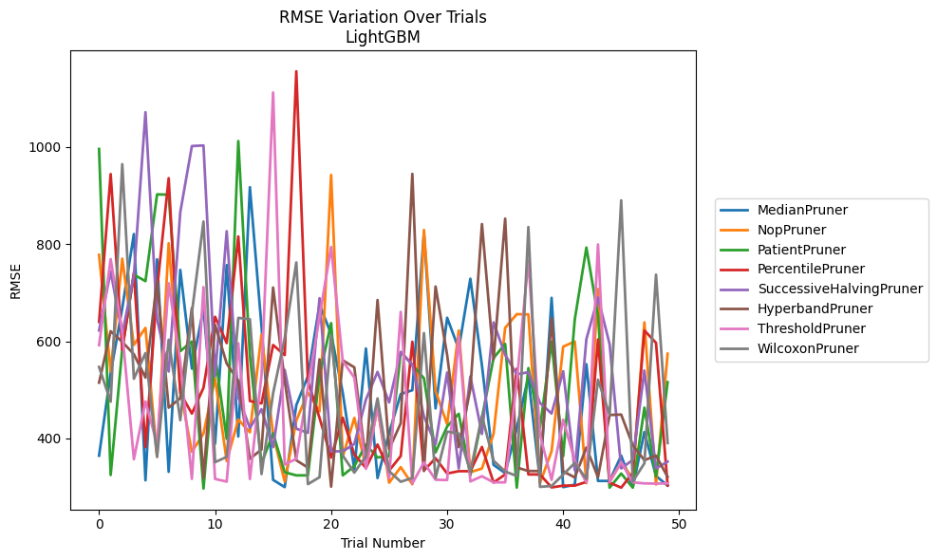
Trial | MedianPruner | NopPruner | PatientPruner | PercentilePruner | SuccessiveHalvingPruner | HyperbandPruner | ThresholdPruner | WilcoxonPruner
1 | 364.35284119 | 778.07417732 | 996.15027977 | 639.96634328 | 622.33119111 | 514.82292758 | 592.09059537 | 547.15923574
2 | 534.52918468 | 538.02668165 | 324.62127972 | 944.48446763 | 744.03541387 | 620.82282781 | 769.35373814 | 475.6712015
3 | 668.63368262 | 770.30352328 | 584.29633868 | 582.31637295 | 615.02625975 | 598.84292571 | 619.55155791 | 964.86355981
4 | 820.94167836 | 592.63506315 | 737.32381423 | 741.03929932 | 734.33752811 | 573.33783449 | 356.98568602 | 522.87914159
5 | 313.64576468 | 627.70423209 | 723.92693319 | 381.87196141 | 1071.8262181 | 525.27133436 | 476.10893651 | 575.73012296
6 | 768.86454501 | 362.20957302 | 902.68952656 | 706.89519498 | 645.50002306 | 723.57022709 | 388.21016084 | 361.90580194
7 | 331.16730535 | 801.90634268 | 902.00973605 | 936.00333834 | 537.77728182 | 463.28031711 | 719.53108385 | 603.25461679
8 | 747.1087028 | 498.89385626 | 579.69180188 | 493.47643533 | 865.98940239 | 482.67609737 | 558.30328753 | 437.50093147
9 | 543.67806496 | 372.3728091 | 599.60296144 | 451.04911372 | 1002.2024107 | 668.59191745 | 316.56846377 | 658.5248199
10 | 668.78321893 | 410.06898468 | 296.65760806 | 504.30153811 | 1003.4128217 | 318.79534577 | 711.61879683 | 846.72322253
11 | 389.12569836 | 523.65850279 | 570.94379855 | 650.45474197 | 528.02730255 | 633.69456564 | 316.47970558 | 351.04175586
12 | 757.12933387 | 353.26257726 | 398.90922824 | 596.36311431 | 826.77126432 | 554.15673539 | 310.9700592 | 361.90578752
13 | 403.9276336 | 438.88637993 | 1012.4372425 | 815.97390734 | 484.71911028 | 518.52398264 | 596.05617418 | 648.22608219
14 | 917.38662832 | 412.59191756 | 569.84755203 | 476.94017851 | 421.45872317 | 357.97715802 | 316.30951616 | 645.42803193
15 | 630.65514658 | 613.91892514 | 348.7607286 | 472.13226968 | 460.14187446 | 377.27393099 | 529.56302867 | 326.63144075
16 | 314.53251707 | 407.35247216 | 410.29895497 | 592.38109918 | 382.14640271 | 710.79087466 | 1112.5522423 | 493.07859262
17 | 299.68494925 | 310.93975722 | 330.28463083 | 571.60943883 | 541.1905927 | 518.60649768 | 346.2983035 | 606.32088021
18 | 468.47220564 | 436.65522255 | 323.85386012 | 1156.1809149 | 420.07398104 | 354.88183754 | 357.80984659 | 762.50921915
19 | 527.95828413 | 494.46763085 | 323.85386879 | 517.88150172 | 411.40395839 | 339.88700925 | 505.5957549 | 305.76971482
20 | 675.67879718 | 455.81425246 | 529.97728443 | 442.30413674 | 688.76041585 | 562.93339513 | 650.34214332 | 320.03803005
21 | 615.23613382 | 942.77239105 | 637.47451817 | 360.54275096 | 373.3972014 | 300.54488118 | 794.20669852 | 613.39043412
22 | 494.40227291 | 362.20966794 | 323.85386879 | 442.60948498 | 373.3972014 | 560.91447605 | 559.14603254 | 364.62303876
23 | 336.26612111 | 442.13253911 | 342.70688101 | 366.71485693 | 388.47563434 | 546.3668735 | 525.27026193 | 329.53860322
24 | 585.16641728 | 340.74450465 | 387.32925106 | 339.21616348 | 480.17523023 | 351.08725258 | 337.38644378 | 363.26847477
25 | 318.28057486 | 463.7779589 | 360.68436032 | 387.42719027 | 537.05573024 | 685.022567 | 464.62695059 | 482.42384716
26 | 411.28188241 | 308.784072 | 363.43347981 | 333.69496443 | 474.04010101 | 378.01813751 | 317.61747003 | 332.51407975
27 | 491.43926198 | 340.74450465 | 577.41026738 | 363.70774008 | 578.31307176 | 431.22715915 | 660.60166884 | 310.64793039
28 | 499.24933221 | 305.59952523 | 551.79174656 | 599.12836176 | 551.74225554 | 944.9271311 | 307.29546827 | 318.64988754
29 | 823.25620869 | 829.35414147 | 523.83711337 | 333.82208315 | 445.27111693 | 332.83732799 | 350.44757436 | 616.96897101
30 | 461.77759215 | 497.60484357 | 371.17390188 | 359.16931844 | 387.91395471 | 712.91529218 | 314.88680924 | 318.64988754
31 | 648.51501313 | 429.21862856 | 424.64495866 | 327.67142303 | 535.70123892 | 571.79468661 | 314.16247997 | 414.10263037
32 | 584.34961807 | 622.32571486 | 450.79984684 | 332.45077933 | 338.13952637 | 382.00544077 | 610.24006543 | 410.02131739
33 | 728.86670728 | 330.41877958 | 323.85386879 | 332.45077933 | 527.74645909 | 502.07549277 | 311.33376407 | 331.66875505
34 | 549.92543814 | 337.99585512 | 442.55504004 | 382.44320126 | 409.23859889 | 841.50145338 | 322.11172827 | 446.07118331
35 | 345.50473651 | 409.45501393 | 565.61559603 | 309.10457549 | 638.96584301 | 562.87969513 | 309.46916737 | 353.99616198
36 | 328.60852493 | 627.74063113 | 594.65007585 | 325.73660649 | 572.27956186 | 852.68146021 | 309.46916737 | 331.89524342
37 | 420.71421907 | 655.91252739 | 298.56134661 | 543.62612298 | 532.00948287 | 340.08121477 | 516.74262606 | 322.59308735
38 | 527.43355911 | 655.39998735 | 544.87059197 | 325.73663012 | 536.33720479 | 332.83602529 | 766.94842587 | 835.38028854
39 | 312.38881915 | 307.72999163 | 421.80126776 | 325.73663012 | 473.07470075 | 332.83602529 | 407.57228887 | 300.2234877
40 | 689.50990484 | 373.61252714 | 599.41766732 | 299.05150907 | 451.17286812 | 647.88590424 | 314.56680574 | 301.99653469
41 | 299.68494925 | 589.08207086 | 363.27862988 | 302.69239214 | 538.3575122 | 332.12232944 | 438.65962523 | 325.54859661
42 | 304.72432755 | 599.55872278 | 645.18664086 | 302.69239214 | 334.23756116 | 319.59899541 | 353.91523596 | 349.30115508
43 | 552.86041158 | 307.72999163 | 793.0513245 | 310.42096862 | 604.5154562 | 381.23749754 | 309.46916737 | 316.36514359
44 | 312.38881915 | 707.69221922 | 652.49735193 | 603.9912364 | 690.05575714 | 319.9458588 | 799.67749112 | 521.00673039
45 | 312.38881915 | 312.09225889 | 298.56135765 | 308.89257025 | 594.21124921 | 448.24312213 | 309.47198249 | 448.45803998
46 | 364.44287124 | 349.49564878 | 327.60517174 | 298.57605444 | 338.13935069 | 449.05453824 | 351.25270008 | 890.38735821
47 | 299.68494925 | 318.25590114 | 298.56135765 | 328.75709491 | 355.7457801 | 385.74008344 | 309.47198249 | 311.60467844
48 | 413.00896282 | 639.0802288 | 463.34323233 | 622.35129955 | 539.85855719 | 355.09984424 | 307.29546827 | 348.62540974
49 | 322.65056799 | 305.10506359 | 321.01643384 | 596.85021085 | 338.13935069 | 364.49557102 | 306.88247912 | 737.24516881
50 | 302.88206958 | 574.4183242 | 515.789207 | 303.33522711 | 352.15354561 | 320.81083668 | 307.36257389 | 390.38505945

RMSE_Trials_GPBoost
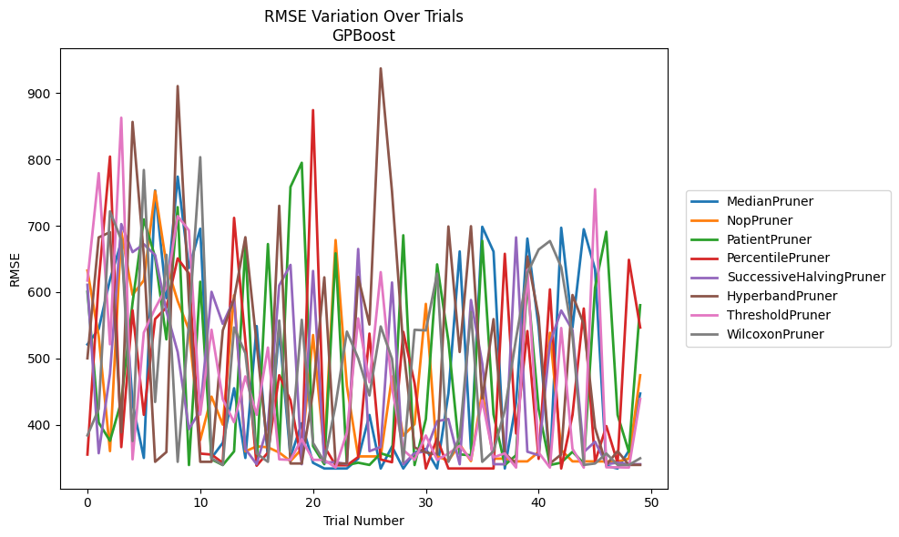
Trial | MedianPruner | NopPruner | PatientPruner | PercentilePruner | SuccessiveHalvingPruner | HyperbandPruner | ThresholdPruner | WilcoxonPruner
1 | 521.10131673 | 632.65438038 | 600.6066355 | 354.9930664 | 611.06244562 | 500.17836642 | 617.43029978 | 383.88876135
2 | 544.36771448 | 533.21393897 | 403.24377082 | 616.17896882 | 356.99236325 | 682.52844311 | 779.42900608 | 423.91548408
3 | 618.96690936 | 360.16434149 | 375.68369442 | 804.47528833 | 476.71188104 | 690.3873766 | 521.28550571 | 721.80499839
4 | 675.62298987 | 691.55742159 | 435.28726791 | 366.22564658 | 702.64909588 | 388.49654847 | 863.02223382 | 678.9372758
5 | 431.81388252 | 595.96333543 | 583.94514546 | 572.59040093 | 660.32085671 | 856.72601589 | 347.7813912 | 375.36854467
6 | 349.91609205 | 617.7065192 | 709.68898265 | 414.93896747 | 672.22760176 | 654.90431349 | 539.09348851 | 784.1989812
7 | 753.44767039 | 752.34735171 | 652.85227258 | 559.42759761 | 655.86737145 | 344.06494515 | 575.40277671 | 434.32340587
8 | 590.91182065 | 642.01528171 | 528.72203834 | 576.77435568 | 571.20030038 | 358.80684335 | 607.34395235 | 656.2571989
9 | 774.21156398 | 586.51527317 | 728.11543879 | 650.87869735 | 509.60709884 | 910.73976671 | 714.66138563 | 344.064573
10 | 636.41967135 | 542.97883893 | 339.19301917 | 627.99316421 | 393.49564175 | 585.77988188 | 692.97531442 | 553.42955933
11 | 695.61764403 | 376.93453654 | 615.68092365 | 356.44723993 | 421.1517973 | 344.06494515 | 415.1917745 | 803.51141595
12 | 349.91609205 | 442.35779822 | 347.69943776 | 354.9930664 | 600.44030053 | 344.06494515 | 543.23142486 | 349.35041644
13 | 372.80520406 | 400.13839359 | 339.19301917 | 342.56324974 | 552.03974786 | 542.22350383 | 438.34747566 | 339.3845181
14 | 454.9571359 | 595.20521893 | 359.78454999 | 711.99012192 | 589.56908516 | 589.94585094 | 403.71358608 | 546.62640864
15 | 349.91609205 | 359.76287929 | 670.42971412 | 526.15912385 | 363.49123094 | 682.79081811 | 472.87150411 | 507.82643341
16 | 548.76956875 | 367.40070491 | 339.19301917 | 338.16415146 | 340.4613468 | 522.27133717 | 414.95752518 | 356.64843238
17 | 349.91612345 | 366.00397926 | 672.50642812 | 358.05874337 | 399.56580004 | 359.39488847 | 516.4005537 | 344.064573
18 | 542.76430289 | 358.05890283 | 360.18466023 | 474.64713025 | 610.03918995 | 730.18505981 | 347.78151081 | 557.12148188
19 | 351.40203474 | 345.08161371 | 758.65339194 | 436.87826828 | 641.06367077 | 341.53995114 | 347.01155376 | 359.08457241
20 | 402.28884349 | 363.45999315 | 795.10284942 | 343.90585728 | 340.42167374 | 341.53995114 | 378.15998178 | 558.24277853
21 | 342.5673683 | 535.2929979 | 367.72617549 | 874.49403858 | 631.90242862 | 450.13382232 | 347.01136904 | 372.57119654
22 | 333.97205839 | 358.61227858 | 340.4613468 | 367.1577516 | 343.17701032 | 622.26908059 | 347.01155376 | 344.064573
23 | 333.97205839 | 678.56668458 | 658.51779658 | 338.83904274 | 343.41629772 | 341.53995114 | 335.36397286 | 429.86929606
24 | 333.99646049 | 458.33545808 | 339.20391628 | 338.83904274 | 340.42167374 | 341.53995114 | 388.06533779 | 540.45591981
25 | 348.80696635 | 352.20287331 | 342.72865167 | 351.15896643 | 665.09262631 | 622.96528891 | 560.36803464 | 500.29997796
26 | 414.70929709 | 352.20287331 | 339.36853557 | 537.43440811 | 360.12573805 | 551.10543948 | 463.98036769 | 444.14587187
27 | 333.97205839 | 352.20287331 | 356.85144669 | 347.52026923 | 366.40222079 | 937.4618203 | 630.16959142 | 548.15556999
28 | 367.17780801 | 472.60669228 | 351.67593761 | 343.42598781 | 614.54114225 | 751.77730208 | 456.12739371 | 499.51742461
29 | 333.97205839 | 383.51182759 | 685.74220228 | 540.15123543 | 340.34855674 | 517.04293506 | 361.83693088 | 344.38953249
30 | 358.02464588 | 400.87695186 | 339.19301917 | 462.56762634 | 357.02840821 | 365.73967807 | 347.01178466 | 543.16269948
31 | 363.57622948 | 582.272031 | 408.47371567 | 333.99646049 | 359.98612915 | 358.15370632 | 383.74668486 | 542.22429756
32 | 333.99617895 | 352.20287331 | 641.8274484 | 379.32729201 | 405.29109894 | 355.12841983 | 347.01155376 | 627.95575773
33 | 447.01619161 | 345.72394983 | 526.15259314 | 333.99646049 | 408.59264466 | 699.00873371 | 356.54562361 | 344.06494515
34 | 661.38651541 | 370.41136525 | 355.23288143 | 333.99646049 | 340.34855674 | 509.69654299 | 368.25552632 | 381.39049006
35 | 363.1562775 | 345.0815459 | 353.92546553 | 333.99617895 | 588.12542724 | 699.3950286 | 347.01132286 | 570.1658372
36 | 698.53936544 | 449.81469666 | 677.3688117 | 333.99617895 | 492.42201286 | 437.5171696 | 436.77335139 | 344.064573
37 | 661.14894392 | 348.8206107 | 415.52872346 | 333.99617895 | 340.50583948 | 559.27441003 | 350.82972478 | 360.11642103
38 | 333.97205839 | 348.8206107 | 339.19301917 | 657.78663129 | 340.39522442 | 356.6485444 | 356.81456042 | 421.76247169
39 | 433.30485712 | 344.71035011 | 354.03200384 | 386.7453453 | 682.52791936 | 341.53995114 | 335.36397286 | 530.17606328
40 | 680.81476511 | 344.71035011 | 615.43254793 | 541.26097367 | 359.27473598 | 653.8456733 | 633.54235439 | 628.73562749
41 | 546.62359376 | 358.89010333 | 423.33323118 | 348.52610648 | 354.03331541 | 562.45675648 | 358.14167446 | 664.17144772
42 | 337.08960062 | 538.64850578 | 339.19301917 | 604.11215197 | 523.23263848 | 341.53957771 | 335.36427435 | 677.07820336
43 | 697.11257409 | 361.89170838 | 342.82358511 | 333.99617895 | 572.29154683 | 355.15481012 | 545.88228172 | 637.72273801
44 | 546.62359376 | 344.71035011 | 359.16632767 | 414.70744213 | 542.77947462 | 595.66875733 | 363.57593867 | 534.28587621
45 | 694.86556246 | 344.71035011 | 341.79259268 | 575.26779064 | 358.76418752 | 551.73875085 | 335.36414035 | 339.38455505
46 | 634.49288656 | 344.71035011 | 606.84433667 | 343.90585728 | 374.42045966 | 395.36301075 | 755.19149444 | 341.53976442
47 | 337.93491894 | 344.58374606 | 691.07753173 | 397.90262776 | 340.42167374 | 339.384592 | 335.79337689 | 356.54578782
48 | 333.97205839 | 344.5837691 | 414.70854571 | 342.56000345 | 342.76191216 | 360.11856363 | 335.79337689 | 339.38455505
49 | 360.71071142 | 348.75062814 | 358.96643798 | 648.75763175 | 340.4613468 | 339.384592 | 335.36427435 | 339.38455505
50 | 447.01619161 | 474.60582059 | 580.25296468 | 546.62640864 | 340.39522442 | 339.384592 | 438.83069636 | 349.35027544

RMSE_Trials_CatBoost
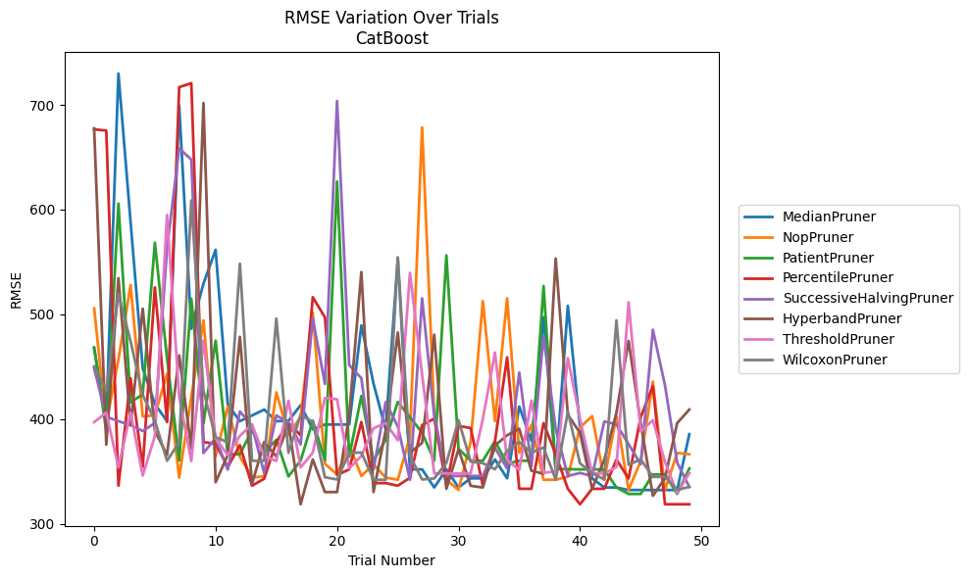
Trial | MedianPruner | NopPruner | PatientPruner | PercentilePruner | SuccessiveHalvingPruner | HyperbandPruner | ThresholdPruner | WilcoxonPruner
1 | 467.29119982 | 505.70711821 | 468.40198567 | 676.61264986 | 448.47130628 | 677.50484552 | 397.07025769 | 450.25559614
2 | 400.70897718 | 395.66636361 | 388.30182038 | 675.47602049 | 402.17590005 | 375.65122668 | 406.21310433 | 427.04763281
3 | 729.84930009 | 456.87213054 | 605.72091167 | 336.38808722 | 397.98780079 | 534.56094736 | 353.89440425 | 519.87681465
4 | 588.09349576 | 527.87708399 | 416.02112851 | 438.86762744 | 394.16699914 | 394.34012709 | 406.21310433 | 474.14608461
5 | 448.47130628 | 402.50756712 | 423.50192491 | 354.29698246 | 388.60878139 | 505.43200862 | 346.05043084 | 423.04496949
6 | 414.43183005 | 403.57267098 | 568.40215506 | 525.72724307 | 396.12506946 | 388.81724398 | 383.78804837 | 398.5020969
7 | 397.98780079 | 443.21843034 | 458.25774841 | 397.06739898 | 562.76368794 | 365.67687946 | 595.01460805 | 360.1794455
8 | 699.39791985 | 344.10385536 | 360.42004825 | 716.91193643 | 658.45750958 | 460.82334756 | 421.64350363 | 377.82104999
9 | 486.24752343 | 421.32682771 | 514.87206977 | 720.65871234 | 647.75802422 | 371.73280302 | 359.92851636 | 608.69747924
10 | 529.34708834 | 494.27330481 | 395.97516395 | 378.07820852 | 367.60421131 | 701.68253813 | 474.95293014 | 426.81943744
11 | 561.64888798 | 364.02176988 | 474.95293014 | 376.29767097 | 381.74367112 | 339.64254001 | 381.43770113 | 382.80408471
12 | 413.85394792 | 411.96377878 | 366.41003042 | 354.29698246 | 351.74262191 | 365.67687946 | 365.68183442 | 377.82104999
13 | 397.98780079 | 364.02176988 | 366.41003042 | 375.08674401 | 407.2102893 | 478.51859277 | 384.00355467 | 548.31152693
14 | 403.43390734 | 344.10385536 | 389.18115019 | 336.38808722 | 393.56281103 | 338.16403752 | 394.8867353 | 360.1794455
15 | 409.07694515 | 345.36929537 | 367.8771981 | 343.06930863 | 348.39199132 | 378.07820852 | 364.29381533 | 360.1794455
16 | 397.98780079 | 425.4681589 | 380.14196135 | 378.08681645 | 403.44172174 | 364.29381533 | 360.09603119 | 495.97497587
17 | 398.30162601 | 385.28148463 | 345.24726649 | 396.12506946 | 396.73785041 | 394.8867353 | 417.5386538 | 367.8771981
18 | 413.25271078 | 401.87679715 | 360.31450587 | 384.47588852 | 375.82168559 | 318.650026 | 353.89440425 | 403.86749023
19 | 390.11236761 | 501.73470911 | 398.47125093 | 516.35607196 | 495.97497587 | 361.36065402 | 367.86478302 | 397.44952781
20 | 394.80075109 | 357.37865223 | 360.7725923 | 497.16314039 | 433.59878186 | 330.29067011 | 420.13092476 | 344.44459859
21 | 394.80075109 | 347.13746077 | 626.800696 | 346.63061606 | 703.74213111 | 330.29067011 | 418.98779352 | 342.32395196
22 | 394.80075109 | 375.41090848 | 363.95200622 | 351.95153437 | 451.47048392 | 404.12363396 | 352.83914163 | 367.64859704
23 | 489.44498492 | 345.68731729 | 422.03874777 | 397.21425201 | 439.11784326 | 540.37873002 | 364.82399383 | 368.08127026
24 | 433.92944392 | 356.80252335 | 360.31450587 | 338.86037799 | 351.74262191 | 330.29067011 | 391.05589773 | 342.32395196
25 | 390.11236761 | 344.10385536 | 380.1669851 | 338.86037799 | 416.16540673 | 389.1758223 | 396.30222747 | 341.89337924
26 | 553.19944538 | 342.05982691 | 416.40164611 | 336.38808722 | 392.86693398 | 482.66397159 | 379.78764934 | 554.42837191
27 | 351.95476927 | 382.84025435 | 401.83506404 | 343.9205997 | 342.05982691 | 367.8771981 | 539.60853052 | 364.83623566
28 | 351.95476927 | 678.43799834 | 387.00054183 | 394.21692096 | 515.29778207 | 377.26657261 | 442.56101933 | 342.32395196
29 | 334.69390605 | 405.35642629 | 360.31450587 | 400.40991288 | 402.80302693 | 480.6157421 | 348.10955898 | 343.29997126
30 | 351.95476927 | 342.05982691 | 556.22905173 | 336.38808722 | 345.68731729 | 333.44076751 | 348.10955898 | 358.11758496
31 | 334.69390605 | 332.37712153 | 371.59862966 | 393.3973311 | 345.68731729 | 371.10779755 | 348.10955898 | 398.95954536
32 | 343.40954973 | 378.14816921 | 360.31450587 | 391.47611387 | 345.68731729 | 336.27158461 | 348.10955898 | 359.32477215
33 | 343.40954973 | 512.56519059 | 360.1794455 | 336.38808722 | 345.68731729 | 334.64492677 | 400.05290945 | 357.84851079
34 | 361.39839529 | 397.95341331 | 378.86317865 | 378.81981631 | 372.52341515 | 374.71684269 | 463.52983843 | 352.11532578
35 | 343.40954973 | 515.29778207 | 357.32050849 | 458.88770664 | 352.8304744 | 384.5303418 | 360.80179313 | 369.56148462
36 | 411.96377878 | 367.8771981 | 360.1794455 | 333.44076751 | 444.4506602 | 390.72433486 | 351.45245213 | 378.07820852
37 | 379.26793662 | 394.4449923 | 360.1794455 | 333.44076751 | 354.940347 | 350.65038618 | 417.67079422 | 367.9002313
38 | 497.16314039 | 342.05982691 | 527.05651732 | 396.14665858 | 479.09304379 | 347.81178527 | 348.77183585 | 372.83463732
39 | 350.72247941 | 342.05982691 | 352.20347537 | 366.2909643 | 390.46112517 | 553.19944538 | 349.89848722 | 342.32395196
40 | 508.06413565 | 344.9073219 | 352.20347537 | 333.44076751 | 345.68731729 | 404.12363396 | 458.25774841 | 407.23890728
41 | 392.71467577 | 391.96240173 | 351.95476927 | 318.650026 | 348.52501012 | 386.88205038 | 400.29432101 | 357.73100537
42 | 343.40954973 | 402.86807841 | 351.95476927 | 333.44076751 | 345.68731729 | 333.44076751 | 348.10955898 | 348.42314375
43 | 334.69390605 | 342.05982691 | 351.95476927 | 333.44076751 | 397.70976817 | 361.05870963 | 348.10955898 | 342.32395196
44 | 334.69390605 | 402.80302693 | 334.69390605 | 361.36065402 | 394.87791618 | 406.11225968 | 354.20862733 | 494.26347559
45 | 332.25753863 | 332.37712153 | 328.50876694 | 343.29997126 | 376.08153781 | 474.57518388 | 511.48158146 | 356.31146667
46 | 332.25753863 | 359.92851636 | 328.50876694 | 401.87679715 | 356.91166205 | 396.12506946 | 388.10114733 | 361.55812195
47 | 332.25753863 | 435.75686389 | 347.13746077 | 431.60414668 | 485.32976049 | 326.70991517 | 398.92711928 | 344.82288069
48 | 332.25753863 | 332.37712153 | 347.13746077 | 318.650026 | 432.11350087 | 343.63963353 | 359.17625399 | 344.82288069
49 | 332.25753863 | 367.64859704 | 328.50876694 | 318.650026 | 358.47564804 | 396.14665858 | 329.0902202 | 332.37712153
50 | 385.58594815 | 366.41003042 | 352.80692983 | 318.650026 | 335.26859618 | 409.07694515 | 348.42314375 | 335.26859618

RMSE_Trials_NGBoost
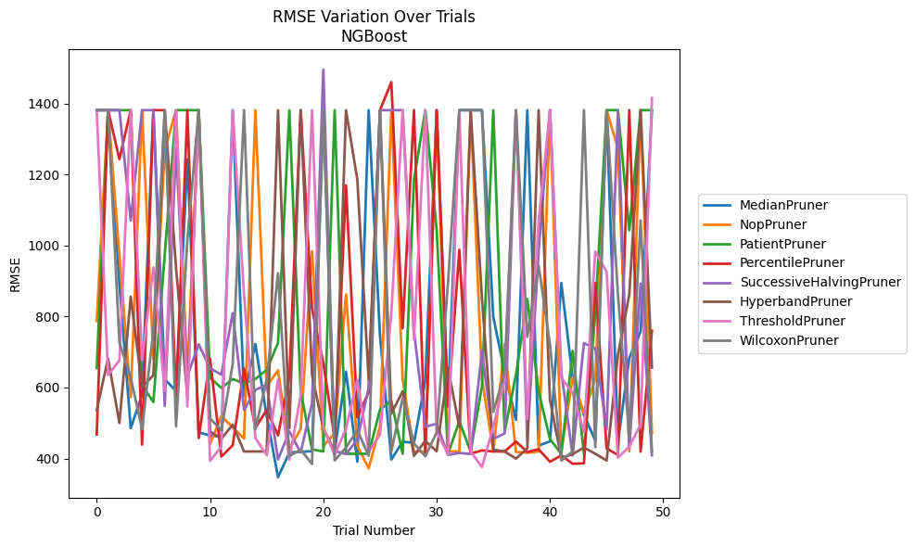
Trial | MedianPruner | NopPruner | PatientPruner | PercentilePruner | SuccessiveHalvingPruner | HyperbandPruner | ThresholdPruner | WilcoxonPruner
1 | 1381.7462302 | 787.73453834 | 654.68116013 | 467.52656483 | 1381.7261988 | 536.05999587 | 1381.7333906 | 1381.7356376
2 | 1381.7431047 | 1381.7269791 | 1381.7269791 | 1381.740382 | 1381.7462145 | 682.3449965 | 635.41223838 | 1381.7292398
3 | 892.92778937 | 974.14863163 | 1381.7044643 | 1243.747019 | 1381.7365819 | 500.06643717 | 676.2360257 | 726.43198619
4 | 485.69355808 | 572.76930627 | 1381.7252426 | 1381.7241682 | 1070.7510917 | 856.18613771 | 1381.7434462 | 628.16661106
5 | 578.65154561 | 1381.7261101 | 607.2134423 | 438.90739199 | 1381.7462182 | 601.59361516 | 677.2443275 | 482.34303458
6 | 1381.7357487 | 679.68725263 | 558.96197706 | 1381.7433939 | 1381.735807 | 634.56397023 | 938.12248468 | 760.21906063
7 | 623.30364407 | 1269.178749 | 974.14863163 | 1381.7433318 | 547.92523246 | 1381.7234664 | 590.44335909 | 1381.7404356
8 | 590.21803717 | 1381.7066186 | 1381.7000975 | 572.73939422 | 1274.344626 | 937.16905539 | 1381.7410004 | 490.46211817
9 | 1243.747019 | 635.4707224 | 1381.7462132 | 1381.7007147 | 632.26589393 | 576.26591168 | 546.4997941 | 1017.6481245
10 | 473.75312713 | 1381.7354749 | 1381.7245645 | 457.59905369 | 721.81068458 | 1381.6762442 | 1381.7406014 | 1381.6985891
11 | 464.98154099 | 440.87540269 | 627.14391139 | 681.4319002 | 654.19207849 | 476.02831501 | 393.34235632 | 512.85015653
12 | 461.23953865 | 519.40218082 | 599.02049282 | 405.28113621 | 636.39895414 | 455.61857871 | 433.48667523 | 479.37371262
13 | 1381.7442477 | 487.63684637 | 623.92405367 | 437.30107581 | 809.55277193 | 495.5021258 | 1381.7462187 | 665.83781169
14 | 576.7836554 | 456.40592442 | 611.88518971 | 653.47113044 | 536.86726189 | 419.74473793 | 862.41694317 | 1381.7462062
15 | 722.61183696 | 1381.7462184 | 623.91759894 | 486.31004002 | 593.27956914 | 419.74473793 | 458.23440498 | 482.48364868
16 | 519.40464342 | 603.87743366 | 649.88042434 | 536.57575434 | 607.35621421 | 419.74473793 | 408.92866908 | 622.1227146
17 | 347.17338265 | 648.43595695 | 725.65049066 | 465.12725585 | 397.34917374 | 1381.7292398 | 622.18084827 | 922.28786553
18 | 416.5286908 | 427.20359659 | 1381.6956352 | 629.4629775 | 476.10908864 | 485.39609456 | 396.82524323 | 407.01658618
19 | 418.82307912 | 482.90664453 | 589.48532401 | 1381.7442347 | 416.99495307 | 1381.7462133 | 578.11287277 | 424.49908642
20 | 420.54603001 | 984.4839807 | 425.7381694 | 821.45425411 | 555.85539249 | 635.95923016 | 1381.7010764 | 384.57401152
21 | 1381.7067863 | 434.64506317 | 419.74473793 | 668.42051218 | 1495.9752163 | 484.23935244 | 488.64040284 | 1381.7403009
22 | 421.82271313 | 471.44049129 | 1381.7462154 | 456.26028387 | 421.41279011 | 419.74473793 | 408.92374414 | 394.61271287
23 | 644.82176169 | 862.41694317 | 413.31088797 | 1169.7798179 | 412.2836709 | 1381.7462144 | 484.11550981 | 430.69595797
24 | 390.95486 | 435.50821706 | 413.31088797 | 516.37176832 | 452.95077477 | 1186.0868127 | 621.68675504 | 480.03180749
25 | 1381.7270547 | 372.16313781 | 413.31088797 | 586.27807976 | 599.58151322 | 623.40004379 | 419.74473793 | 407.69418579
26 | 745.47665836 | 489.90671119 | 538.08738224 | 1381.6682939 | 1381.7241238 | 1381.7442894 | 467.10763332 | 1381.7462128
27 | 397.26039603 | 1381.7407632 | 562.22554473 | 1460.9584136 | 1381.7443303 | 526.27830674 | 808.74669985 | 419.74473793
28 | 447.1861627 | 624.19794166 | 413.06613541 | 766.84366179 | 1381.7002525 | 589.47063635 | 1381.7462145 | 570.1145196
29 | 444.22188484 | 419.74473793 | 1186.0868127 | 1381.7443337 | 759.1453745 | 407.4688558 | 734.90405788 | 442.42292
30 | 619.35063248 | 419.74473793 | 1381.7395334 | 409.42702687 | 489.4976541 | 450.12192311 | 1381.7402005 | 406.23682001
31 | 1381.7257088 | 1381.7292382 | 1043.9369618 | 1381.7462144 | 498.05225112 | 419.96712143 | 474.72577638 | 473.30807423
32 | 550.0712671 | 419.74473793 | 413.06091397 | 546.15839078 | 410.17844018 | 655.13499446 | 413.17015158 | 894.80247667
33 | 1381.7333906 | 419.74473793 | 504.72247929 | 988.09570164 | 415.527525 | 488.97585624 | 1381.7462144 | 1381.7333906
34 | 1381.7291312 | 1381.7462145 | 419.74473793 | 413.51891711 | 412.72170828 | 1381.7462189 | 419.6808986 | 1381.7104274
35 | 1381.703018 | 624.82020804 | 604.25902317 | 422.67093788 | 702.92026218 | 849.63750669 | 375.74468836 | 1381.7462182
36 | 799.04001516 | 419.74473793 | 1381.7462133 | 419.74473793 | 455.35247227 | 424.9577965 | 490.24264017 | 531.12691105
37 | 642.94551002 | 721.80974651 | 475.94710491 | 419.74473793 | 470.53133459 | 419.74473793 | 618.73192852 | 641.3449975
38 | 508.88463765 | 418.66329113 | 636.41250755 | 447.69076549 | 1381.7431086 | 399.61303863 | 1381.7373139 | 1381.7442346
39 | 1381.7389025 | 415.94150902 | 849.63750669 | 418.49016508 | 449.93590503 | 428.51835526 | 511.10728445 | 742.58596849
40 | 436.44060506 | 419.76020957 | 588.5875923 | 426.00694215 | 984.4839807 | 1381.7462132 | 1069.7898112 | 943.96510762
41 | 448.07122746 | 1381.7434922 | 454.77857603 | 390.7341009 | 1381.7358266 | 565.53404244 | 1381.7247772 | 721.80974651
42 | 894.80247667 | 419.74473793 | 413.31088797 | 408.69425328 | 643.67095254 | 401.08279178 | 627.86945777 | 394.21348154
43 | 627.93355956 | 627.4520586 | 703.25189587 | 385.10802005 | 408.38538389 | 412.19397044 | 585.00280688 | 419.74473793
44 | 523.11885195 | 527.24902196 | 413.31088797 | 386.2577289 | 725.33698018 | 430.91516225 | 473.59307227 | 1381.7434204
45 | 450.82918143 | 623.67959489 | 809.55277193 | 894.80247667 | 709.80249648 | 413.40340956 | 983.34984046 | 431.72859308
46 | 1381.72581 | 1381.7462268 | 1381.7462302 | 428.24617582 | 482.13275517 | 394.1685403 | 926.08105441 | 1381.7442317
47 | 444.99990842 | 1274.344626 | 1381.7270531 | 409.83788589 | 1381.737219 | 691.89846707 | 402.39894733 | 862.41694317
48 | 683.36614926 | 420.25310739 | 1043.147336 | 1381.7462196 | 429.76932836 | 862.41694317 | 432.98969738 | 461.21761745
49 | 757.92938871 | 1381.7402005 | 1381.737219 | 419.31842026 | 892.92778937 | 1381.7434346 | 496.27049343 | 1070.7510917
50 | 1381.7392811 | 471.37840545 | 1381.7433618 | 760.21906063 | 409.21020252 | 656.08133206 | 1416.1264793 | 419.25319676

RMSE_Trials_TabNet
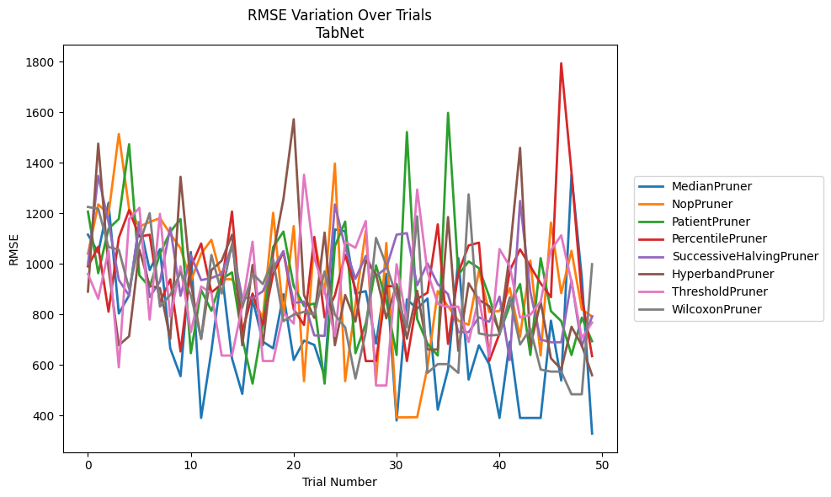
Trial | MedianPruner | NopPruner | PatientPruner | PercentilePruner | SuccessiveHalvingPruner | HyperbandPruner | ThresholdPruner | WilcoxonPruner
1 | 1116.1157184 | 1040.5607114 | 1206.8227804 | 990.40745848 | 998.99335495 | 890.58730557 | 960.28242391 | 1225.5761853
2 | 1044.8074862 | 1235.5211742 | 963.44494995 | 1068.0766397 | 1348.4850333 | 1476.1888508 | 862.33654845 | 1218.3880922
3 | 1241.6464365 | 1197.4903009 | 1139.3313191 | 811.22256253 | 1165.3828568 | 983.06372241 | 1054.7263269 | 1066.8643932
4 | 804.12607647 | 1514.1359154 | 1177.9254579 | 1104.0845321 | 937.0983223 | 678.39049002 | 591.00993181 | 1056.7792291
5 | 875.92350501 | 1217.6696338 | 1473.6203376 | 1212.9163434 | 874.8916464 | 713.97714267 | 1177.9203927 | 901.68785617
6 | 1161.8883219 | 1147.7262901 | 955.00371037 | 1108.479538 | 1167.3376291 | 1056.4922212 | 1222.0639414 | 1080.766574
7 | 976.03239485 | 1165.9554144 | 908.55355172 | 1115.5682812 | 868.93932197 | 913.95378381 | 779.66158758 | 1201.0146322
8 | 1058.4923929 | 1181.3924635 | 1040.7695759 | 845.60864036 | 930.89541763 | 904.12538969 | 1198.0791735 | 831.13723459
9 | 665.77080035 | 1119.3510155 | 1127.4323509 | 939.25579719 | 1143.9366739 | 703.17309415 | 791.34133527 | 877.64248983
10 | 555.9514307 | 1062.1669436 | 1177.6738177 | 653.58807178 | 873.98513502 | 1344.8563078 | 990.30003812 | 967.26972272
11 | 1047.2460682 | 931.82626926 | 646.92609535 | 987.7986309 | 1034.7215294 | 923.29096578 | 730.08256007 | 875.81465605
12 | 390.73216546 | 1040.5607114 | 897.13765099 | 1080.9746032 | 936.09864681 | 703.17309415 | 910.93078768 | 705.72009155
13 | 656.14803845 | 1095.7663263 | 814.74836608 | 886.94411971 | 944.41209479 | 975.83104821 | 884.58878131 | 1035.8284369
14 | 968.93598695 | 939.63907096 | 939.99448434 | 920.87189353 | 960.4505421 | 1012.9753384 | 637.56107933 | 883.00271928
15 | 626.25356789 | 939.63907096 | 966.61100355 | 1207.5405288 | 1070.9744544 | 1115.6983352 | 637.56107933 | 1079.822219
16 | 485.93246519 | 866.83730326 | 705.72009155 | 730.9100839 | 865.29765452 | 678.39049002 | 833.77563417 | 827.59779001
17 | 861.26737252 | 866.83730326 | 526.46056872 | 883.07530074 | 865.29765452 | 996.20661977 | 1088.1921096 | 961.9482222
18 | 692.7319648 | 786.78822178 | 766.54080881 | 758.50989473 | 891.95345576 | 678.39049002 | 616.0443107 | 920.29603027
19 | 666.27136023 | 1202.3658936 | 1066.9805957 | 960.22185294 | 983.3112941 | 1040.9117816 | 616.0443107 | 1018.596106
20 | 880.37582205 | 795.30619249 | 1128.2132984 | 1048.879264 | 1050.7774027 | 1257.1445098 | 807.56141987 | 773.68004989
21 | 620.22788443 | 1149.9928304 | 912.09863615 | 820.99365741 | 845.72360741 | 1572.5465853 | 763.6554163 | 799.4848587
22 | 696.69453008 | 536.304623 | 834.10813533 | 758.50989473 | 851.2253727 | 877.03335524 | 1353.1330498 | 810.55429139
23 | 679.64044159 | 1099.9419951 | 843.22777808 | 1106.9808014 | 717.47683623 | 786.64184428 | 1024.1734768 | 799.23803394
24 | 555.9514307 | 882.08357595 | 526.46056872 | 788.50218102 | 715.45828531 | 1124.1221308 | 893.86065102 | 970.3559155
25 | 1136.3944029 | 1397.5743574 | 1070.2596375 | 875.76552535 | 1235.3984421 | 678.39049002 | 715.31293874 | 799.23803394
26 | 1129.5571694 | 536.304623 | 1167.5892679 | 1036.2625121 | 1065.8745585 | 877.19980116 | 1087.1417674 | 749.12493634
27 | 883.33457304 | 842.22714729 | 646.92609535 | 900.12285519 | 941.64084326 | 772.37715607 | 1063.98885 | 546.41116015
28 | 892.34326007 | 1131.1060084 | 763.81852721 | 615.78456742 | 1031.745963 | 1013.5053859 | 1169.9901464 | 730.20525211
29 | 684.91475795 | 536.304623 | 994.23389339 | 615.78456742 | 952.25646346 | 958.84001212 | 519.19375257 | 1103.0382173
30 | 960.66107498 | 1083.3125801 | 853.05834212 | 911.93835171 | 984.23997684 | 785.00612468 | 519.19375257 | 994.92365994
31 | 380.75719899 | 393.06627133 | 639.82374714 | 912.58780071 | 1116.0991546 | 921.07752974 | 998.93484033 | 870.9879346
32 | 859.76215248 | 393.06627133 | 1522.0754093 | 615.78456742 | 1121.965423 | 704.00028883 | 767.16911905 | 749.12493634
33 | 822.78970626 | 393.67227981 | 781.67144297 | 861.55172932 | 915.61758495 | 893.87215574 | 1294.37199 | 1188.5189751
34 | 863.2474279 | 591.14890064 | 684.75630534 | 886.38170192 | 1002.30433 | 661.66458706 | 968.17619594 | 569.04953267
35 | 423.41844531 | 892.83713435 | 637.56107933 | 1156.7089879 | 920.08555794 | 661.66458706 | 842.2110084 | 603.7932609
36 | 583.11324641 | 831.5120007 | 1598.0389131 | 683.79125061 | 880.42438325 | 1185.7454476 | 829.45225128 | 603.7932609
37 | 1023.2115497 | 775.79749078 | 957.31227984 | 965.65267894 | 730.20525211 | 656.14803845 | 831.1745555 | 569.04953267
38 | 542.72332293 | 759.4943958 | 1010.055182 | 1073.2452049 | 730.20525211 | 923.58338317 | 691.28583325 | 1275.5171263
39 | 678.23218484 | 972.72203833 | 983.49041835 | 1084.3311265 | 788.72939437 | 858.00485858 | 867.54291739 | 725.36638987
40 | 602.99057222 | 809.96674703 | 871.33013397 | 615.78456742 | 771.11619686 | 833.02381482 | 633.38515453 | 717.17770702
41 | 390.73216546 | 813.69144462 | 725.10246052 | 724.28295741 | 870.9879346 | 732.46369219 | 1058.8569051 | 719.56954886
42 | 692.93039191 | 904.11137258 | 835.64121123 | 973.98828862 | 619.3772322 | 1040.9761427 | 990.66683278 | 868.12179167
43 | 390.73216546 | 711.8474734 | 920.49115738 | 1057.8122398 | 1249.3296921 | 1459.5295706 | 788.03785765 | 681.15893081
44 | 390.73216546 | 1013.3883507 | 639.82374714 | 990.64908415 | 889.01136425 | 673.66969007 | 798.95366421 | 744.67032463
45 | 390.73216546 | 637.79971598 | 1022.9155671 | 923.2436039 | 700.8249987 | 851.09915559 | 851.36865743 | 582.22564907
46 | 775.53464948 | 1163.9502943 | 813.37283464 | 868.47824612 | 690.17123883 | 626.90054603 | 1054.5384006 | 574.11433596
47 | 539.07589289 | 884.50978088 | 773.68004989 | 1794.0982095 | 690.17123883 | 583.11324641 | 1113.4051273 | 574.11433596
48 | 1353.1330498 | 1051.9900825 | 639.82374714 | 1361.9929997 | 935.97941894 | 751.61951287 | 928.41769358 | 484.32929869
49 | 945.80801126 | 820.20764392 | 787.50589231 | 871.7250014 | 673.39607746 | 678.04990834 | 706.63184248 | 484.32929869
50 | 328.77829433 | 792.0422933 | 694.09509302 | 635.23465548 | 793.06263336 | 559.74325926 | 767.9149269 | 999.04984899

RMSE_Trials_HistGradientBoosting
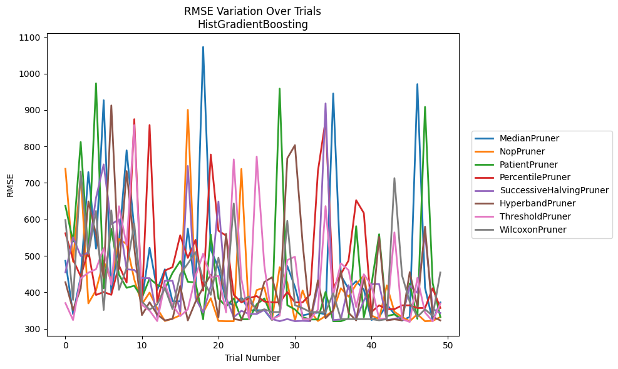
Trial | MedianPruner | NopPruner | PatientPruner | PercentilePruner | SuccessiveHalvingPruner | HyperbandPruner | ThresholdPruner | WilcoxonPruner
1 | 486.49593135 | 738.72819447 | 636.98809923 | 562.05962288 | 454.66453585 | 427.70158455 | 370.54208701 | 598.45963581
2 | 340.52083422 | 484.16379878 | 539.14040184 | 489.33573075 | 550.90377626 | 351.35937819 | 324.17402806 | 379.1704957
3 | 442.85589619 | 720.19264855 | 812.28777628 | 443.90289169 | 499.67165952 | 410.71856232 | 438.14312913 | 731.53597499
4 | 729.87166974 | 369.8505425 | 498.49773061 | 514.69645265 | 509.27601213 | 649.41414765 | 453.97682101 | 504.63318912
5 | 520.02150348 | 405.64457713 | 973.00199889 | 392.87921684 | 659.12790864 | 558.49927183 | 463.46788678 | 623.17893119
6 | 926.77053192 | 486.44689485 | 411.13130265 | 400.88638617 | 750.82207354 | 439.70375322 | 521.12732974 | 351.69032537
7 | 399.2908665 | 431.01299262 | 573.96485641 | 393.38232671 | 586.71379201 | 912.44255759 | 420.65674806 | 624.39666136
8 | 535.63168756 | 546.34710759 | 448.61909999 | 474.06567742 | 600.04416576 | 464.45627996 | 636.09234406 | 407.07505867
9 | 789.30047396 | 532.37401399 | 412.41139983 | 426.76332358 | 463.29006166 | 732.5207944 | 528.73846818 | 466.50342819
10 | 574.27054303 | 435.65742556 | 418.14618489 | 874.72016735 | 461.59490732 | 523.56529472 | 858.54325511 | 588.47410613
11 | 377.58272684 | 367.79253369 | 385.31355114 | 372.44013816 | 439.20051348 | 337.68455514 | 365.61909384 | 374.77928403
12 | 522.1770607 | 399.39300142 | 437.93732884 | 858.79273117 | 439.20051348 | 372.80662025 | 349.94637534 | 352.56961078
13 | 406.73207597 | 355.83225533 | 420.60067913 | 372.73460613 | 331.31564767 | 339.00353893 | 321.24085609 | 367.19981864
14 | 463.15908847 | 321.53071817 | 409.35157196 | 459.77609522 | 431.71163939 | 323.18261384 | 423.23412298 | 412.02906857
15 | 375.39957574 | 327.84948171 | 453.39860318 | 469.02263347 | 431.71163939 | 327.16874145 | 365.62649084 | 354.01349416
16 | 375.39957574 | 336.961011 | 485.59707221 | 556.35841458 | 346.93036194 | 417.26713785 | 334.93382321 | 449.23550538
17 | 574.60520633 | 900.43300902 | 429.16353616 | 494.48194973 | 746.54020365 | 323.18261384 | 353.50610293 | 478.81890195
18 | 400.14800708 | 394.41983387 | 426.99431983 | 543.94951053 | 384.19155087 | 374.01869944 | 443.48410283 | 510.28387842
19 | 1072.7492242 | 344.5922023 | 326.24626118 | 404.64542296 | 344.5922023 | 413.50852069 | 505.90605141 | 434.97741565
20 | 517.60644286 | 384.08522174 | 558.48581629 | 777.85617911 | 417.538413 | 448.5946124 | 440.25951999 | 393.1811178
21 | 466.92072347 | 321.53071817 | 383.44625721 | 569.07401334 | 649.15928796 | 331.51006855 | 445.34638085 | 495.07047534
22 | 375.39957574 | 320.9268798 | 361.35557971 | 555.5395859 | 386.01380026 | 560.40012728 | 345.09031238 | 381.82300335
23 | 363.61193955 | 320.9268798 | 383.44625721 | 393.28570022 | 331.87567257 | 327.16874145 | 764.54493354 | 643.78314764
24 | 386.01380026 | 738.36897649 | 326.24626118 | 372.44013816 | 349.3706486 | 323.18261384 | 436.51377553 | 377.05796234
25 | 350.89504813 | 334.69780975 | 326.24626118 | 384.09791444 | 340.69642192 | 376.331066 | 326.75021934 | 388.91881071
26 | 350.89504813 | 406.19931928 | 367.30028128 | 389.87552118 | 340.69642192 | 353.98746725 | 772.31960321 | 346.0601769
27 | 350.89504813 | 413.21235387 | 383.3263248 | 374.84982853 | 351.92684249 | 428.64654529 | 473.53542218 | 353.64821667
28 | 324.31640872 | 324.75373811 | 332.10181198 | 372.73860713 | 326.82322001 | 441.14959039 | 326.75021934 | 346.0601769
29 | 341.1761461 | 468.72819998 | 958.50537469 | 372.44013816 | 320.9268798 | 361.27974853 | 336.15653833 | 346.11336699
30 | 472.37984255 | 427.07266151 | 364.72483276 | 400.77236381 | 326.82322001 | 767.45523762 | 488.56974304 | 596.13104448
31 | 415.02997691 | 322.89608338 | 353.16360799 | 372.44013816 | 320.9268798 | 803.55414509 | 497.70917515 | 364.8308197
32 | 336.9233894 | 405.17510778 | 332.10181198 | 372.44013816 | 321.93299731 | 535.70306388 | 326.75021934 | 356.66884843
33 | 341.1761461 | 347.81776668 | 325.69723407 | 394.68947277 | 320.9268798 | 323.18261384 | 326.75021934 | 346.0601769
34 | 344.64434077 | 321.53071817 | 325.69723407 | 732.29807713 | 414.83715634 | 433.02570916 | 352.49615581 | 346.0601769
35 | 339.44150713 | 335.19325513 | 401.08065889 | 871.75578655 | 918.12274299 | 329.14328266 | 636.45668105 | 346.0601769
36 | 945.18322341 | 349.68146659 | 320.8144189 | 412.0373352 | 323.96955983 | 349.90104592 | 392.3802746 | 397.40652094
37 | 446.34594582 | 411.40290054 | 320.8144189 | 450.21860496 | 325.90640839 | 458.60252288 | 479.62806466 | 326.92272394
38 | 409.70526355 | 388.11603035 | 328.50455849 | 487.13342294 | 419.71681985 | 343.91882601 | 461.1532966 | 326.59610433
39 | 430.72188391 | 421.79648526 | 581.41587434 | 652.53519085 | 326.91704744 | 323.18261384 | 359.93371593 | 326.59610433
40 | 407.86167674 | 446.33412026 | 331.51006855 | 617.55514547 | 376.82273125 | 438.71073595 | 449.62352293 | 326.59610433
41 | 324.31640872 | 336.43955779 | 421.17358786 | 346.35884895 | 422.20251768 | 326.73662353 | 418.66249104 | 326.59610433
42 | 332.61413064 | 326.82322001 | 559.34031775 | 364.38556127 | 422.8247321 | 552.11866466 | 327.26809618 | 323.28775555
43 | 366.32696991 | 418.99457639 | 334.96186594 | 353.85502015 | 323.96955983 | 323.18261384 | 328.30517108 | 326.59610433
44 | 340.69642192 | 346.93036194 | 339.68378941 | 353.85502015 | 327.28773403 | 326.04302876 | 564.32082881 | 713.17607739
45 | 322.97612096 | 332.28008619 | 326.04302876 | 364.38556127 | 332.45744442 | 323.18261384 | 326.75021934 | 446.05090965
46 | 332.61413064 | 320.9268798 | 424.39896783 | 364.38556127 | 417.82813957 | 455.37957623 | 318.91994281 | 374.00302564
47 | 970.81574205 | 340.08143547 | 327.54034796 | 357.15033542 | 398.61236229 | 360.46534243 | 439.75301859 | 332.88871748
48 | 412.40449654 | 320.9268798 | 908.45518636 | 357.15033542 | 559.58767585 | 580.20641167 | 344.89076742 | 353.50610293
49 | 322.96602457 | 321.93299731 | 425.25048446 | 411.42736573 | 354.7997632 | 332.88871748 | 320.46442865 | 335.54327351
50 | 372.54897131 | 332.12800154 | 332.29865714 | 357.15033542 | 343.50886592 | 323.18261384 | 369.2893717 | 454.46171334

RMSE_Trials_PGBM
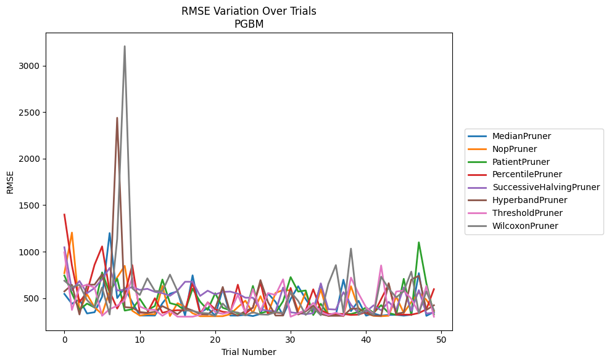
Trial | MedianPruner | NopPruner | PatientPruner | PercentilePruner | SuccessiveHalvingPruner | HyperbandPruner | ThresholdPruner | WilcoxonPruner
1 | 546.47347703 | 769.0783371 | 743.90182075 | 1398.8393386 | 1047.2572428 | 573.74711914 | 994.03047186 | 688.21419702
2 | 440.46818185 | 1205.3446159 | 552.80394045 | 852.20398467 | 584.62505942 | 643.87783468 | 374.88370618 | 620.42373435
3 | 486.77550627 | 363.13295238 | 375.67950536 | 457.99740647 | 685.43898234 | 325.58923637 | 620.11628179 | 644.45283984
4 | 336.48347745 | 542.75802037 | 442.574662 | 565.72340611 | 554.15963421 | 644.66322836 | 645.29141334 | 480.23910769
5 | 349.64563698 | 402.11049569 | 400.74186569 | 859.77368485 | 609.31609739 | 645.8943646 | 614.588147 | 398.78581894
6 | 515.57668939 | 328.86510394 | 777.21395801 | 1056.8136137 | 705.08152173 | 758.18141878 | 311.61712685 | 616.06033794
7 | 1200.3184016 | 578.0160999 | 561.62434111 | 575.1924922 | 825.66231905 | 451.45894882 | 382.51989326 | 325.73149616
8 | 501.85585704 | 724.38477222 | 710.32856077 | 389.17959117 | 582.89567472 | 2438.5481494 | 418.77677869 | 1137.2888894
9 | 612.957046 | 847.70965659 | 367.41421926 | 540.43375099 | 590.3956318 | 404.43338125 | 478.33490302 | 3207.7667631
10 | 456.52002617 | 365.6336347 | 382.03319823 | 856.25705838 | 621.56784301 | 398.5892154 | 720.05508165 | 607.64940273
11 | 314.06105201 | 314.26558376 | 494.08440935 | 344.30647844 | 589.4770504 | 351.78923571 | 411.10815961 | 535.15972023
12 | 314.05330428 | 328.86375178 | 369.8739652 | 343.87904625 | 601.34798589 | 342.31270706 | 377.14893743 | 713.91112772
13 | 314.06431496 | 327.57592713 | 417.09505217 | 499.77339893 | 568.81142184 | 354.24927868 | 374.88370618 | 577.90066042
14 | 446.40622995 | 632.20264826 | 700.72938187 | 343.87904625 | 554.15963421 | 415.19688612 | 311.82973676 | 575.94449339
15 | 548.62681805 | 308.94401089 | 447.68110831 | 363.51132978 | 525.97564744 | 374.57233494 | 362.95491627 | 753.95407579
16 | 573.75734947 | 446.53367435 | 426.5121528 | 371.27973723 | 582.07230714 | 327.64811812 | 302.07460464 | 576.95786321
17 | 313.59049593 | 407.60402089 | 365.96950086 | 368.96527434 | 677.17893842 | 397.83125363 | 302.00998168 | 368.49389048
18 | 745.88756395 | 338.57118702 | 602.36571727 | 668.09382417 | 676.75390604 | 368.16239657 | 301.87365398 | 365.38760976
19 | 345.07209937 | 307.06677023 | 462.78945621 | 334.79112699 | 524.77519804 | 327.79755754 | 322.55511969 | 342.32877636
20 | 394.43645771 | 307.08056061 | 374.88370618 | 455.80778322 | 581.07805171 | 325.08278789 | 452.67322671 | 337.75052438
21 | 313.15193493 | 307.06677023 | 553.68373861 | 381.66376238 | 541.46366019 | 390.12668435 | 350.5670776 | 308.50834526
22 | 600.04978113 | 307.1507837 | 397.58589836 | 354.72610361 | 568.0182098 | 620.90689118 | 331.7106235 | 443.49867121
23 | 313.71994056 | 328.5946608 | 369.8739652 | 343.99033115 | 571.36821622 | 342.730836 | 354.17893761 | 356.39679259
24 | 313.59272881 | 403.92147872 | 337.12799061 | 645.24811717 | 548.85997586 | 314.3370302 | 537.17236241 | 346.52610315
25 | 321.47051778 | 473.90563446 | 337.13122298 | 334.55915402 | 505.53768063 | 362.28870143 | 344.61752401 | 315.09725709
26 | 308.52839494 | 342.67859604 | 632.20264826 | 400.17364037 | 505.80941451 | 397.40744297 | 598.7557069 | 349.31394195
27 | 331.17912663 | 522.01209656 | 337.12799061 | 670.21027514 | 379.15596048 | 694.4911373 | 361.58265435 | 326.11606315
28 | 551.84568074 | 332.90445762 | 362.75305006 | 334.26903557 | 366.0904602 | 458.33482066 | 554.9703031 | 323.43050437
29 | 461.62931042 | 557.35869202 | 342.42823097 | 346.36158767 | 359.56237569 | 314.31285322 | 535.58740182 | 350.75025052
30 | 315.36208616 | 587.61349799 | 468.23507353 | 338.01592013 | 614.83521732 | 314.392776 | 703.05756605 | 341.68228848
31 | 491.93453393 | 584.62505942 | 726.89379515 | 610.30298381 | 348.57903894 | 578.80538579 | 301.71162174 | 570.09068522
32 | 628.78763963 | 365.87460941 | 571.38734442 | 338.47219413 | 339.42735954 | 325.08277814 | 336.29204302 | 471.43931586
33 | 491.06656582 | 563.17343217 | 583.44816334 | 369.29355145 | 328.6401283 | 358.63479942 | 372.27921899 | 321.35672309
34 | 371.37259473 | 328.66218873 | 319.81524593 | 595.84346415 | 339.42735954 | 420.54201271 | 449.5596506 | 400.63836514
35 | 651.15612301 | 595.6794064 | 440.7404635 | 374.22966184 | 659.75512634 | 329.9125707 | 350.16387721 | 317.49946648
36 | 312.39175204 | 309.15730676 | 320.56038401 | 330.89412492 | 382.67011856 | 311.37484046 | 319.48855047 | 653.33712167
37 | 321.78124064 | 337.93462761 | 331.96849541 | 330.89412492 | 378.29093781 | 311.37484046 | 344.083225 | 855.76921016
38 | 698.72348266 | 307.06689291 | 331.61488267 | 330.86011242 | 565.86296276 | 311.37484576 | 312.97106531 | 349.20101423
39 | 361.68667149 | 628.51448102 | 330.26027593 | 320.53595548 | 430.92651976 | 386.68024967 | 721.80066876 | 1033.0551309
40 | 471.99553788 | 393.96926558 | 353.41350112 | 324.09740404 | 339.42735954 | 389.65479279 | 551.01757197 | 321.3568162
41 | 312.87135136 | 337.48993199 | 401.01121175 | 351.80878862 | 355.50192483 | 337.03265202 | 402.44645356 | 375.88995049
42 | 336.6331212 | 310.4582617 | 343.76058214 | 330.70373954 | 423.99031537 | 315.61192515 | 326.98473203 | 321.35695136
43 | 312.55098184 | 307.06564867 | 425.54562333 | 489.72694349 | 369.8739652 | 311.37484046 | 852.16356867 | 731.50922106
44 | 320.73290797 | 311.88864558 | 341.59756533 | 649.76661758 | 461.25684279 | 661.38507767 | 320.23937007 | 603.63835717
45 | 321.61383951 | 517.09249598 | 320.74315899 | 323.78385971 | 376.37756809 | 333.29501656 | 571.48043342 | 509.49673018
46 | 313.15202965 | 341.59025089 | 708.43342201 | 323.63449018 | 616.01689509 | 346.61848061 | 582.06468845 | 574.43260479
47 | 322.89212363 | 460.06815606 | 319.02432847 | 323.40211494 | 363.58650595 | 700.32808143 | 493.70498151 | 785.85677369
48 | 769.69104813 | 563.17343217 | 1100.7471035 | 341.16997394 | 587.17385372 | 740.91012528 | 342.65614135 | 339.09175207
49 | 310.86766694 | 482.86125125 | 661.09741803 | 380.47642722 | 335.45390671 | 374.00101644 | 631.7941976 | 574.33392473
50 | 352.20354154 | 364.25871539 | 325.39271561 | 597.50281338 | 346.3166012 | 424.66712532 | 301.6627896 | 373.30203626

