RMSE_Trials_Random Forest
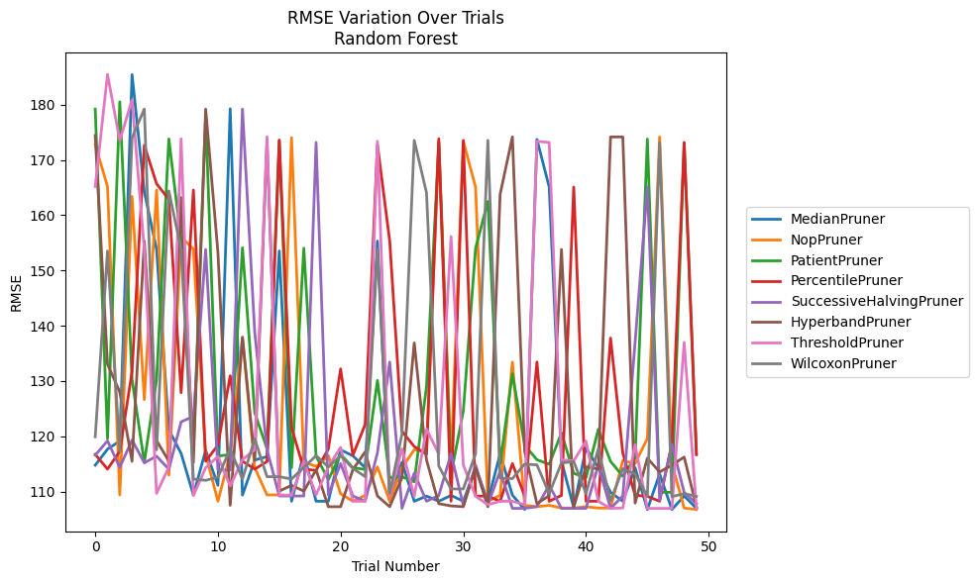
Trial | MedianPruner | NopPruner | PatientPruner | PercentilePruner | SuccessiveHalvingPruner | HyperbandPruner | ThresholdPruner | WilcoxonPruner
1 | 114.78520838 | 172.79052991 | 179.20800375 | 116.73763642 | 116.58637682 | 174.43020335 | 165.20230095 | 119.90962522
2 | 117.6751234 | 165.18970048 | 119.6018749 | 114.06513757 | 119.18747408 | 133.05638297 | 185.5008983 | 153.5412236
3 | 119.15094138 | 109.39292788 | 180.51379259 | 117.29458318 | 114.38594712 | 128.02523777 | 173.50795529 | 117.2249523
4 | 185.44723922 | 163.3830891 | 130.28597245 | 131.7098583 | 119.33668298 | 115.47284259 | 180.88645712 | 174.02027069
5 | 164.26011694 | 126.64795252 | 115.27170061 | 172.6724511 | 115.20334336 | 155.34471824 | 153.72434507 | 179.24201249
6 | 153.82965665 | 164.55810865 | 130.24865192 | 165.69181702 | 116.40147533 | 119.22928128 | 109.66571859 | 117.55520024
7 | 121.18100768 | 112.98272065 | 173.82031749 | 162.87893029 | 114.05458579 | 115.5101366 | 114.45413163 | 164.39936031
8 | 116.90162366 | 156.06369541 | 155.34471824 | 127.88517085 | 122.62339722 | 163.21103103 | 173.84088978 | 153.82965665
9 | 109.39286497 | 153.89255503 | 117.4061415 | 164.56988051 | 123.59895857 | 115.24380939 | 109.279942 | 112.27010991
10 | 117.46071605 | 116.7559811 | 178.02789435 | 115.49534182 | 153.80924021 | 179.20800375 | 114.31874932 | 112.03719458
11 | 111.12924237 | 108.24999915 | 116.42808313 | 118.39884516 | 113.90138659 | 153.29182574 | 116.35474409 | 112.60399664
12 | 179.26709564 | 116.83562327 | 116.69027109 | 130.96127574 | 113.90138659 | 107.51499259 | 111.03018696 | 117.72290627
13 | 109.36408439 | 137.79000119 | 154.13439302 | 115.49535232 | 179.22199061 | 137.96148532 | 115.76139686 | 112.27544757
14 | 115.70984433 | 114.31769736 | 124.23713881 | 114.06575447 | 138.80032064 | 115.59755265 | 117.57068005 | 119.51455154
15 | 116.31703935 | 109.39292788 | 117.79131303 | 115.42866287 | 117.57070179 | 173.38281961 | 174.20976603 | 112.69409855
16 | 153.54108746 | 109.39286987 | 173.50795529 | 173.62025289 | 109.20302456 | 110.08406779 | 109.3640719 | 112.69850647
17 | 108.24999915 | 174.03401455 | 114.31762694 | 121.55867826 | 109.20308113 | 111.12922927 | 109.3640719 | 112.27010991
18 | 116.8478079 | 115.33530922 | 154.03905237 | 114.06513757 | 109.20302456 | 110.0842813 | 115.49313435 | 114.37121037
19 | 108.24512132 | 114.56150003 | 116.39237212 | 113.83489084 | 173.17563702 | 113.92339463 | 109.39285245 | 116.49866747
20 | 108.24512132 | 116.48018926 | 112.16239039 | 117.67511301 | 109.39286497 | 107.2597098 | 114.48079264 | 114.45746523
21 | 117.54728823 | 109.60311826 | 116.75266634 | 132.20251749 | 115.07122968 | 107.26351535 | 118.0085537 | 116.49828958
22 | 116.47163178 | 108.24988302 | 114.31769736 | 116.57065487 | 109.20308113 | 113.97827641 | 108.24500514 | 114.18350312
23 | 114.31769736 | 109.30098098 | 114.01067685 | 122.14558282 | 108.24999915 | 117.19199549 | 108.24512132 | 112.70305698
24 | 155.34471824 | 114.47798251 | 130.11832254 | 172.79052991 | 117.01977003 | 109.20308113 | 173.38281961 | 153.93367712
25 | 108.24500514 | 108.24500514 | 112.50218682 | 155.3448742 | 133.44393882 | 107.2597098 | 109.1560448 | 109.68765421
26 | 115.28266988 | 114.31867833 | 112.68712208 | 120.90426956 | 106.96265941 | 112.50310629 | 117.7251261 | 120.39840589
27 | 108.24534356 | 117.56013127 | 111.78190328 | 118.15281013 | 113.34047782 | 136.90414283 | 109.13983424 | 173.56124199
28 | 109.18317108 | 117.16854082 | 129.02557019 | 116.74434528 | 108.24999915 | 115.70731986 | 121.30710431 | 164.0706905
29 | 108.25022143 | 173.38281961 | 173.08909409 | 173.84093729 | 109.26645188 | 107.80969694 | 116.82007775 | 114.63422682
30 | 109.30097804 | 115.53577533 | 113.08946687 | 108.24988302 | 116.84690538 | 107.40490995 | 156.15056108 | 110.47622122
31 | 108.24951285 | 173.38281961 | 124.57049532 | 173.5543661 | 107.51194096 | 107.26351535 | 114.82164241 | 110.47622122
32 | 114.31762694 | 165.1047538 | 154.04390358 | 109.18317108 | 114.79213581 | 114.3115554 | 109.15616758 | 116.85512516
33 | 108.25470451 | 108.25448255 | 162.51034314 | 109.18317108 | 107.63175237 | 107.2597098 | 107.62592346 | 173.56124199
34 | 116.82007775 | 109.32814885 | 115.02618708 | 108.24500514 | 113.71492258 | 163.78993916 | 108.24500514 | 112.43255204
35 | 109.3640889 | 133.44356965 | 131.30778593 | 115.07122968 | 106.96776285 | 174.18382421 | 108.24988302 | 112.34593053
36 | 106.75539567 | 107.51194096 | 118.40344224 | 109.20302456 | 106.96265941 | 117.28775878 | 107.62345124 | 114.97871612
37 | 173.7334192 | 107.2597098 | 115.76196321 | 133.44355439 | 107.27277428 | 107.80712761 | 173.38281961 | 114.82773816
38 | 165.1047538 | 107.51194096 | 114.94867561 | 108.24500514 | 111.15529474 | 109.26644884 | 173.18173728 | 109.63701536
39 | 115.53577533 | 107.02070557 | 120.61165061 | 109.30099138 | 106.95416194 | 153.82408052 | 115.74939479 | 115.1796551
40 | 107.06578472 | 107.02070557 | 113.30251844 | 165.10471317 | 106.96265941 | 107.2597098 | 115.58594438 | 115.4282741
41 | 117.91352797 | 107.2597098 | 112.50218682 | 108.24951285 | 106.96265941 | 114.47510459 | 119.14218866 | 109.64270395
42 | 114.31876798 | 107.02070557 | 121.25258887 | 108.24951285 | 114.79213581 | 114.09191293 | 108.24512132 | 117.73810648
43 | 109.85682227 | 107.02070557 | 115.4692704 | 137.7818035 | 106.95416194 | 174.17928168 | 106.95416194 | 108.32521645
44 | 108.24500514 | 115.61666827 | 112.77793677 | 116.97247562 | 109.20308113 | 174.1781789 | 107.0360553 | 114.14554752
45 | 114.31867833 | 115.08121 | 116.136526 | 109.3272645 | 137.001957 | 107.91197135 | 118.49388029 | 113.21072168
46 | 106.75539567 | 119.60272705 | 173.79735558 | 109.13616028 | 165.1047538 | 116.05677659 | 106.95416194 | 109.12956001
47 | 113.1869497 | 174.17928168 | 109.86487948 | 108.24988302 | 108.50672613 | 113.54782641 | 106.95416194 | 173.09783571
48 | 106.75539567 | 115.07785178 | 109.86487948 | 118.67204325 | 118.56473886 | 114.78520838 | 106.95416194 | 109.08020067
49 | 109.20308113 | 107.02070557 | 173.09783571 | 173.18110837 | 109.8665721 | 116.24677443 | 137.001957 | 109.64270395
50 | 106.96265941 | 106.75539567 | 116.86356914 | 116.66344466 | 107.80969694 | 107.2597098 | 106.95416194 | 109.12956001

RMSE_Trials_Gradient Boosting
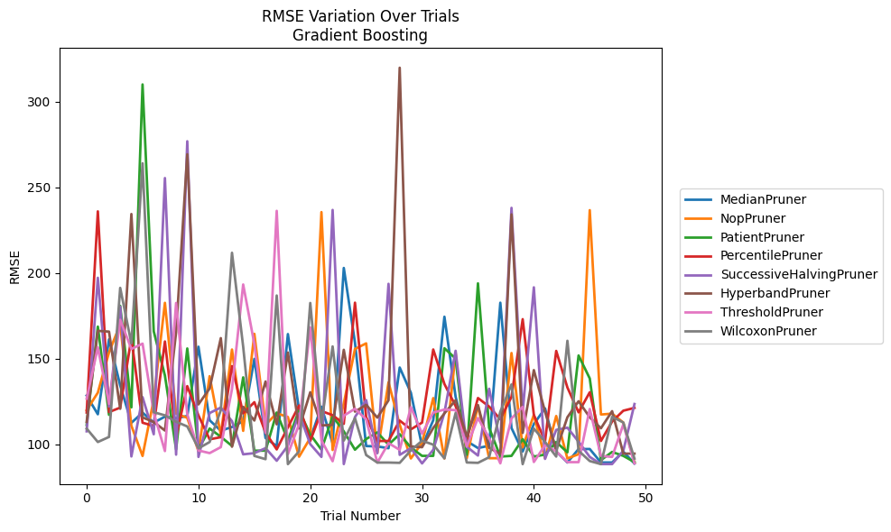
Trial | MedianPruner | NopPruner | PatientPruner | PercentilePruner | SuccessiveHalvingPruner | HyperbandPruner | ThresholdPruner | WilcoxonPruner
1 | 128.46956673 | 119.96556639 | 111.32244521 | 118.59149538 | 107.62753514 | 113.13839333 | 126.76775222 | 109.22189031
2 | 117.57757179 | 130.20895644 | 168.75490757 | 236.03963006 | 197.26674147 | 166.27119294 | 156.63395793 | 101.38213764
3 | 161.33130551 | 153.74062208 | 117.23922867 | 118.86678165 | 122.06088034 | 165.83058176 | 123.67614363 | 104.34001579
4 | 134.40759352 | 170.0949068 | 180.86378723 | 121.45555904 | 180.37531331 | 120.7807656 | 172.72338242 | 191.36701446
5 | 112.59561173 | 110.86232543 | 121.60615109 | 162.09850891 | 92.952962591 | 234.48121631 | 155.70641951 | 158.97083611
6 | 118.53225074 | 93.248870407 | 310.12016489 | 112.64135626 | 127.58658874 | 115.7427787 | 158.81397296 | 264.08963125
7 | 112.72012195 | 126.24866608 | 166.00368125 | 110.78054792 | 105.91637954 | 113.06555647 | 118.5287805 | 118.77905915
8 | 116.17831739 | 182.63407024 | 140.21245299 | 160.07928987 | 255.47750655 | 108.09179938 | 96.095972734 | 116.95212517
9 | 115.25789472 | 117.98486398 | 97.066026545 | 104.20972324 | 94.00477296 | 165.47055001 | 182.55250451 | 113.23145474
10 | 116.60395629 | 115.50008954 | 155.99393661 | 134.01261559 | 276.96010484 | 269.36141723 | 117.58728455 | 110.46564473
11 | 157.00798005 | 95.982207652 | 97.066026545 | 116.91349258 | 92.679528561 | 123.3612529 | 96.454024842 | 97.656614821
12 | 114.07462215 | 139.81065321 | 109.27311137 | 102.94813448 | 118.3083733 | 132.6486216 | 94.910751747 | 101.38213764
13 | 107.97875211 | 105.59869921 | 104.44252347 | 104.20972324 | 121.49626667 | 162.03250008 | 98.399892172 | 120.00699703
14 | 110.15163846 | 155.37571702 | 99.102628301 | 145.70337615 | 113.54771111 | 98.633924103 | 132.32037351 | 211.8549877
15 | 113.52871186 | 107.90064716 | 139.13581655 | 118.1216908 | 94.188970707 | 121.92237183 | 193.35469014 | 157.03626446
16 | 149.92203504 | 164.53774253 | 96.336686743 | 124.63259359 | 94.892168145 | 113.92823312 | 158.54629425 | 93.279083227
17 | 103.67152746 | 111.40562544 | 96.337589105 | 106.89655795 | 97.798488936 | 136.71161688 | 106.67251107 | 91.368750732
18 | 99.024588934 | 118.17876402 | 118.58675373 | 97.066026545 | 90.457795235 | 111.69467787 | 236.33029273 | 186.91491484
19 | 164.39377857 | 115.98840438 | 102.40029248 | 109.96027416 | 99.220462281 | 153.60930343 | 94.285298427 | 88.467550682
20 | 120.11265471 | 92.792131661 | 119.94403443 | 122.71891057 | 117.99356427 | 109.30319635 | 111.67807991 | 95.986566995
21 | 103.29090425 | 103.7399341 | 105.75918565 | 101.99089553 | 100.15283476 | 130.43839627 | 168.26955137 | 182.55250451
22 | 122.01361347 | 235.59995864 | 96.898749773 | 119.48004237 | 92.679528561 | 111.07927475 | 102.35789967 | 112.69787252
23 | 100.59907494 | 96.730218791 | 116.39978257 | 117.05776408 | 236.87302333 | 111.37432305 | 90.162722043 | 157.18512748
24 | 202.99329938 | 123.90664252 | 107.61064477 | 111.98574715 | 88.500697481 | 155.2082818 | 116.76707213 | 102.22586623
25 | 159.39700426 | 155.69282792 | 96.898749773 | 182.72895262 | 115.96007032 | 119.1413687 | 120.80601882 | 115.27763523
26 | 99.024588934 | 158.97083611 | 103.12974444 | 115.93490187 | 125.86846469 | 123.05447707 | 114.57068971 | 93.783078219
27 | 98.805136107 | 95.165028262 | 106.99941326 | 101.99157128 | 94.855140303 | 115.62780768 | 89.33166184 | 89.387750274
28 | 97.767434048 | 136.22968308 | 99.806684474 | 101.99089553 | 193.7346475 | 125.75272708 | 100.74253576 | 89.387750274
29 | 144.87178842 | 111.52636776 | 105.97513874 | 113.8938752 | 93.888266747 | 319.88474369 | 96.803091868 | 89.223608877
30 | 130.13871507 | 91.787100015 | 98.145136315 | 108.78075461 | 97.798488936 | 98.809790607 | 121.70703977 | 96.505793193
31 | 98.852176655 | 100.92140963 | 93.296814762 | 112.70996507 | 88.897833698 | 98.364237726 | 106.23004343 | 102.13528273
32 | 114.11997524 | 127.01619714 | 93.296814762 | 155.40087449 | 96.816949735 | 109.56412396 | 118.59233495 | 99.850128383
33 | 174.51787369 | 91.787100015 | 156.12755041 | 135.26047382 | 118.45107619 | 118.08533514 | 120.32644254 | 91.827694617
34 | 127.8417601 | 153.2945667 | 150.10819561 | 122.42954513 | 154.64815033 | 125.76458635 | 120.00761884 | 118.28582157
35 | 101.89533101 | 91.934375537 | 93.942519723 | 102.66925651 | 98.602383217 | 104.64673774 | 98.757513632 | 89.436606806
36 | 97.867171234 | 122.8508253 | 194.01106467 | 127.06043638 | 93.478685127 | 122.90985332 | 115.40751092 | 89.223548157
37 | 99.205789549 | 91.934375537 | 109.69506647 | 122.05927035 | 132.47937143 | 98.00924535 | 103.68125135 | 92.501771947
38 | 182.7128391 | 91.934375537 | 92.870351236 | 114.67397105 | 101.01094411 | 94.421462662 | 88.948453369 | 119.10742629
39 | 109.55614167 | 153.32649715 | 93.296814762 | 127.75580047 | 238.08009924 | 234.26009398 | 115.14607979 | 134.97961972
40 | 95.840974353 | 98.244343256 | 103.03347537 | 173.10119612 | 118.98998084 | 106.67251107 | 121.91737764 | 88.467550682
41 | 111.88332724 | 117.2147623 | 92.870351236 | 117.19151321 | 191.67874875 | 143.36555797 | 89.706795917 | 109.22928479
42 | 121.02314431 | 91.934375537 | 94.046224457 | 101.90820492 | 91.534022418 | 119.09840387 | 99.540845744 | 101.47772054
43 | 95.840974353 | 116.56271093 | 101.38127213 | 154.56745757 | 108.48066216 | 96.522671922 | 95.939258082 | 92.880455918
44 | 89.436606806 | 91.787100015 | 95.351407818 | 133.22375529 | 109.75942422 | 115.84360805 | 89.630638193 | 160.47924837
45 | 97.291120424 | 94.252008324 | 151.88319693 | 118.71214794 | 101.57947686 | 125.1896779 | 89.630638193 | 96.267111453
46 | 97.291120424 | 236.74198907 | 138.48506519 | 130.43294694 | 92.679528561 | 115.83090836 | 120.66438208 | 90.283344737
47 | 89.436606806 | 117.44144821 | 90.796584562 | 101.99089553 | 88.500697481 | 109.40730811 | 93.279083227 | 88.467550682
48 | 89.436606806 | 117.94060974 | 95.593138589 | 113.33759615 | 88.500697481 | 119.40411314 | 92.68658832 | 116.09800456
49 | 95.729523666 | 112.73859341 | 93.296814762 | 119.65851795 | 96.214804926 | 94.607819033 | 111.61885255 | 112.77799476
50 | 88.850819545 | 89.327509812 | 89.643325172 | 121.31773778 | 123.56936107 | 94.607819033 | 88.932129868 | 91.682681385

RMSE_Trials_XGBoost
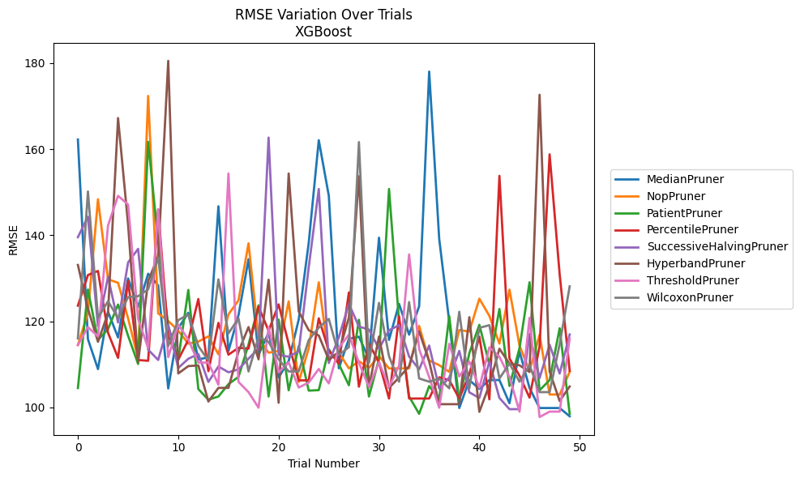
Trial | MedianPruner | NopPruner | PatientPruner | PercentilePruner | SuccessiveHalvingPruner | HyperbandPruner | ThresholdPruner | WilcoxonPruner
1 | 162.26047852 | 114.51320202 | 104.50320065 | 123.64571047 | 139.56326271 | 133.1029838 | 114.48730825 | 116.02138138
2 | 115.84435696 | 121.98069135 | 127.38244811 | 130.76185265 | 144.30821643 | 122.93533536 | 118.65081384 | 150.18337749
3 | 108.91026266 | 148.3761518 | 115.69561611 | 131.70772863 | 118.87935389 | 115.25437221 | 116.51837301 | 120.84327725
4 | 122.24391281 | 129.77517368 | 118.18017478 | 117.36260667 | 130.3186899 | 121.90884146 | 142.26862384 | 124.66257583
5 | 116.26281431 | 128.95977298 | 123.90433479 | 111.51831671 | 119.74884198 | 167.24202966 | 149.17205749 | 120.78942809
6 | 129.96268244 | 120.6961699 | 116.65284284 | 129.38940137 | 133.68172177 | 142.51636419 | 147.14785161 | 125.64163836
7 | 123.36871105 | 111.36805095 | 110.09598085 | 111.0097476 | 136.85137496 | 110.53962101 | 120.56164139 | 125.84776968
8 | 131.07299821 | 172.37935659 | 161.71546192 | 110.83967077 | 113.42232595 | 129.36498301 | 113.77882962 | 127.42748781
9 | 128.33402919 | 121.8426239 | 138.45982467 | 145.99370572 | 111.02588469 | 135.15502528 | 146.06830995 | 134.83661264
10 | 104.40666155 | 120.10020637 | 118.97530846 | 116.5814956 | 119.15364376 | 180.53157727 | 111.68078901 | 114.25572674
11 | 118.39055386 | 117.81416196 | 111.12547016 | 111.11803971 | 109.17411463 | 107.88879094 | 119.23997599 | 120.28493597
12 | 122.00802436 | 114.81947873 | 127.29339879 | 115.68483671 | 111.29705817 | 109.60348011 | 115.76557755 | 121.59028844
13 | 111.14048331 | 115.3020871 | 104.26945918 | 125.18446935 | 112.41929831 | 109.75345239 | 110.41932239 | 114.25572674
14 | 111.65269901 | 116.51740079 | 101.77730649 | 108.4208876 | 105.9260641 | 101.36453302 | 110.41932239 | 110.90171958
15 | 146.740264 | 112.34484527 | 102.5361074 | 119.64484798 | 109.51605191 | 104.54076003 | 105.27267422 | 129.75854229
16 | 113.09905175 | 121.62859707 | 105.40747294 | 112.25120058 | 108.16782028 | 104.54076003 | 154.35505311 | 117.20606103
17 | 121.43151282 | 124.86358181 | 107.0955327 | 113.85633766 | 108.84536049 | 112.96891425 | 105.92820295 | 120.68485804
18 | 134.45032046 | 138.12886731 | 114.60453402 | 113.66570108 | 111.33608415 | 118.67795512 | 103.55444673 | 108.36109971
19 | 112.26111356 | 116.09279105 | 123.72560129 | 123.40896426 | 113.68241897 | 111.17796123 | 99.934289934 | 116.38814457
20 | 117.37270781 | 112.7023744 | 102.5361074 | 117.81671494 | 162.70110153 | 129.67976634 | 118.67092762 | 115.22231823
21 | 106.97039328 | 113.13767194 | 120.41084049 | 123.94178242 | 112.20942944 | 101.0742688 | 108.16409607 | 111.17674467
22 | 110.77063154 | 124.63164084 | 103.98896144 | 114.83121105 | 111.77592069 | 154.35505311 | 110.4790218 | 108.3628165
23 | 120.40891835 | 105.90678482 | 114.22087036 | 106.29035539 | 113.0303817 | 122.3120968 | 104.62478999 | 108.3628165
24 | 138.27726336 | 113.74311878 | 103.90262212 | 106.28741988 | 132.59477742 | 117.94278274 | 105.7751106 | 115.65088815
25 | 162.09323489 | 129.0795237 | 104.01852956 | 120.70457625 | 150.75547383 | 116.71489284 | 108.93667975 | 118.55206777
26 | 149.17955964 | 111.53726956 | 113.49112025 | 113.18864318 | 110.32449917 | 111.0765282 | 105.57861408 | 120.56083138
27 | 109.10462564 | 112.73239452 | 110.0482183 | 110.19969888 | 116.31968258 | 112.82640583 | 113.86110645 | 112.1821334
28 | 115.9417073 | 109.07142245 | 105.1608515 | 126.71811036 | 124.06443638 | 120.86285245 | 116.90131305 | 114.01191087
29 | 116.42742257 | 110.72641891 | 120.36697225 | 104.81557464 | 118.78182551 | 153.71955999 | 110.38372789 | 161.65551602
30 | 111.33222032 | 109.21209297 | 102.53535975 | 114.79887303 | 118.10235811 | 104.73493328 | 104.75259637 | 110.37288981
31 | 139.44039245 | 111.93736041 | 111.24372788 | 110.50857221 | 113.64014699 | 116.46530381 | 110.50150681 | 124.28102606
32 | 115.68504775 | 109.06201647 | 150.75547383 | 102.06555224 | 117.93076375 | 104.54076003 | 104.75259637 | 111.86933907
33 | 124.05333326 | 109.06201647 | 119.84407187 | 121.15736232 | 119.11176392 | 106.93704796 | 109.69764465 | 105.97670735
34 | 116.91591446 | 109.06201647 | 102.53535975 | 102.06555224 | 111.82575295 | 109.59486384 | 135.55299068 | 124.48167144
35 | 123.5102436 | 118.93077112 | 98.511366135 | 102.06555224 | 108.82797582 | 117.64588683 | 113.56076722 | 106.72637235
36 | 178.04129064 | 110.89608822 | 104.95652002 | 102.06555224 | 114.37312157 | 110.68014162 | 107.06161978 | 105.97515463
37 | 139.15110239 | 109.82279316 | 102.01214408 | 107.00025099 | 104.41520558 | 100.75360086 | 99.934382769 | 106.71688322
38 | 119.91808321 | 108.26513679 | 121.21465738 | 106.34787771 | 106.93442701 | 100.75360086 | 114.78935787 | 104.43806572
39 | 99.861872377 | 117.98828067 | 101.5324571 | 102.05932328 | 113.12200877 | 100.75360086 | 107.20355201 | 122.22466267
40 | 106.36086128 | 117.62712538 | 112.6064427 | 107.70481941 | 103.50537331 | 120.96988827 | 110.65402603 | 104.43806572
41 | 104.30147111 | 125.27061722 | 119.1887495 | 116.4469979 | 102.20211574 | 98.975548393 | 104.56307905 | 118.48470778
42 | 106.36086128 | 121.25462298 | 109.94595174 | 101.87567101 | 110.61899701 | 105.27216865 | 113.95952115 | 119.10986591
43 | 106.36086128 | 114.82023569 | 122.87647825 | 153.80740163 | 102.20454751 | 113.63962279 | 111.76038123 | 106.71688322
44 | 100.97896304 | 127.36586081 | 104.99020137 | 111.37257556 | 99.594240272 | 110.16096178 | 107.07813754 | 110.21360652
45 | 113.00321483 | 114.36564596 | 113.77006605 | 107.3816436 | 99.594240272 | 109.79142157 | 99.024435707 | 105.97515463
46 | 104.51137703 | 108.48098912 | 129.08295086 | 102.28431958 | 117.03326934 | 108.23403552 | 120.81484817 | 109.82779045
47 | 99.861872377 | 116.87754008 | 103.97262917 | 114.19658215 | 106.81640846 | 172.65746323 | 97.76753659 | 103.55351783
48 | 99.861872377 | 103.00100026 | 106.34985657 | 158.81246311 | 114.54476813 | 108.36716469 | 99.024435707 | 103.55351783
49 | 99.861872377 | 103.00100026 | 118.39049611 | 130.96039478 | 107.88363595 | 101.49733967 | 99.024036302 | 114.68757238
50 | 97.942585222 | 108.26387848 | 98.511366135 | 108.53241073 | 116.95529912 | 104.86015147 | 115.99072649 | 128.13173001

RMSE_Trials_LightGBM
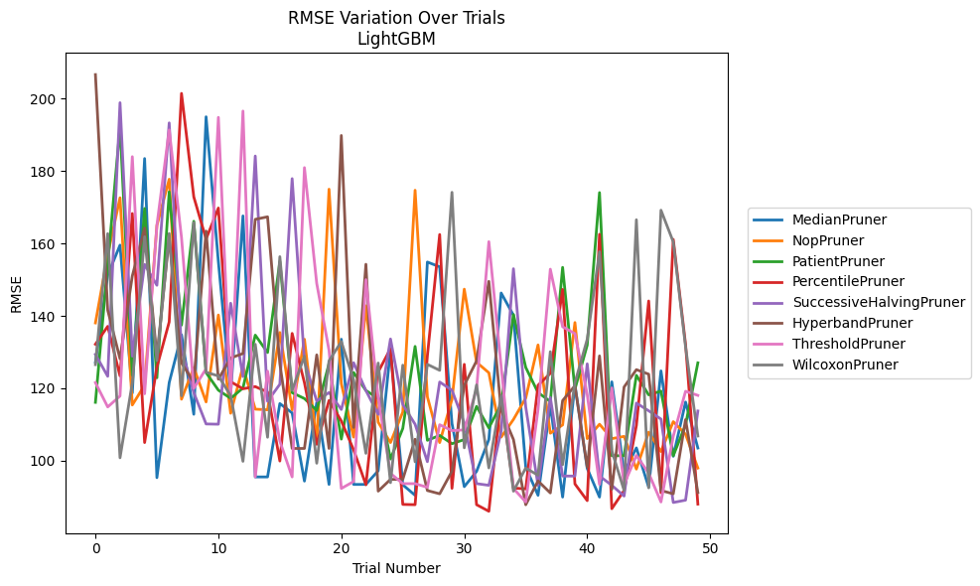
Trial | MedianPruner | NopPruner | PatientPruner | PercentilePruner | SuccessiveHalvingPruner | HyperbandPruner | ThresholdPruner | WilcoxonPruner
1 | 127.23061342 | 138.07085663 | 116.12900468 | 132.1745028 | 129.36709907 | 206.65541133 | 121.57200712 | 126.54494011
2 | 151.27981904 | 156.93237871 | 154.30549625 | 137.12528629 | 123.32642322 | 141.57974756 | 114.85943038 | 162.73461088
3 | 159.55474975 | 172.64005029 | 192.2899863 | 123.42733037 | 198.89480108 | 128.1666088 | 117.8711174 | 100.8158336
4 | 118.7081575 | 115.40271006 | 123.59215674 | 168.28797942 | 128.879669 | 151.045427 | 183.98090946 | 121.50469704
5 | 183.4669686 | 120.8837195 | 169.68686464 | 105.01997234 | 154.22361829 | 164.25782805 | 118.49396127 | 161.87255357
6 | 95.323778316 | 165.0060403 | 122.9101352 | 125.86338325 | 148.4711275 | 128.76538649 | 165.06421558 | 127.65712767
7 | 121.58342739 | 177.76074727 | 174.2663985 | 138.35280471 | 193.31960419 | 161.61084766 | 191.37649355 | 162.76909938
8 | 134.79945435 | 116.99298375 | 137.44261839 | 201.46561237 | 130.76681934 | 127.02690749 | 161.67692193 | 117.9433153
9 | 112.83135484 | 125.74285829 | 166.14384849 | 172.86953406 | 118.80996836 | 121.64680568 | 119.98238193 | 165.79669557
10 | 195.00168461 | 116.24082492 | 124.33961304 | 161.24299308 | 110.15810767 | 163.43456553 | 125.42546458 | 124.43931133
11 | 154.9899462 | 140.26264746 | 119.48878983 | 169.80641044 | 110.09458782 | 122.5325156 | 194.84765216 | 123.41992646
12 | 118.60856035 | 113.11553417 | 117.23140809 | 121.82552637 | 143.5045088 | 128.38229556 | 117.8711174 | 117.9748824
13 | 167.6310355 | 126.01037004 | 120.0887763 | 119.87965124 | 123.249846 | 129.61108724 | 196.5867976 | 99.83713081
14 | 95.52896888 | 114.24943711 | 134.70112933 | 120.47845342 | 184.16631534 | 166.67795956 | 95.52896888 | 132.17321418
15 | 95.528825228 | 114.06516892 | 129.88781234 | 118.97168218 | 116.43178375 | 167.37745488 | 124.75378386 | 106.48632583
16 | 115.79137779 | 135.42545821 | 155.06854908 | 99.9245135 | 121.1317644 | 126.80375266 | 105.42068267 | 156.36359558
17 | 113.20445118 | 114.06516892 | 118.79898344 | 135.17073276 | 177.92180858 | 103.39328036 | 95.52709202 | 119.46523173
18 | 94.375792176 | 133.55874233 | 117.17712738 | 121.55200275 | 127.44545782 | 103.3967241 | 180.95836033 | 128.88208271
19 | 116.06668087 | 105.0202815 | 113.89361884 | 104.53899631 | 116.49501632 | 129.24010393 | 148.96540112 | 99.31408498
20 | 93.457378148 | 175.0044379 | 126.84925655 | 116.64048037 | 118.84725749 | 103.3967241 | 130.51074753 | 127.60262702
21 | 133.56332817 | 121.29969794 | 105.97510777 | 110.99644776 | 114.15517737 | 189.83769829 | 92.346394425 | 132.90154071
22 | 93.457378148 | 106.52500227 | 124.37896201 | 103.00219001 | 127.07433536 | 109.19932984 | 94.261919465 | 122.30566214
23 | 93.457378148 | 142.804401 | 119.4011237 | 93.367806889 | 119.37763771 | 154.26321966 | 150.01937112 | 102.04340352
24 | 97.228783046 | 110.63642067 | 117.24871509 | 124.52442345 | 112.80529158 | 91.603476945 | 117.35342006 | 126.98674687
25 | 130.74607954 | 105.0202815 | 100.4805079 | 130.97307032 | 133.63310888 | 94.851400899 | 96.513546972 | 93.947343006
26 | 93.353731283 | 113.46416191 | 108.91525683 | 87.938059288 | 115.51461085 | 94.851400899 | 93.673564929 | 126.40431016
27 | 90.454535 | 174.71407259 | 131.57743725 | 87.862133466 | 110.09458782 | 105.93626557 | 93.673564929 | 99.704402712
28 | 154.88473777 | 117.6591588 | 105.64609764 | 128.95985452 | 99.743788745 | 91.770147882 | 92.658902977 | 126.62792155
29 | 153.56288981 | 105.0202815 | 106.989893 | 162.49025417 | 121.74834195 | 90.868043622 | 109.95132004 | 124.97321357
30 | 110.28372011 | 116.9587397 | 104.70660971 | 92.378282392 | 119.4887181 | 97.117224974 | 108.31468563 | 174.13857912
31 | 92.842064207 | 147.39522866 | 105.84184858 | 126.6237455 | 110.40766609 | 120.86066392 | 108.52467464 | 103.56727443
32 | 97.04151549 | 127.20729701 | 115.01854345 | 87.862133466 | 93.67939954 | 127.5722777 | 119.81212981 | 120.94183559
33 | 105.86622968 | 124.29855673 | 109.0819951 | 86.0487587 | 93.215252508 | 149.54367407 | 160.50971613 | 98.014815284
34 | 146.33249251 | 106.52500227 | 115.55974707 | 117.64012611 | 108.13624999 | 113.99783506 | 126.05702964 | 117.99868944
35 | 140.20766755 | 111.40385168 | 140.38109521 | 92.4772394 | 153.032746 | 105.86622968 | 92.329353476 | 91.59861623
36 | 98.23507436 | 117.31079241 | 125.76928658 | 92.210454924 | 114.84259779 | 87.841805111 | 88.615927773 | 97.986061683
37 | 90.454535 | 131.98575179 | 118.82921759 | 120.84620578 | 93.21481586 | 94.423484565 | 114.13261046 | 96.001625128
38 | 115.36031629 | 107.6026898 | 116.38024774 | 124.12904873 | 117.47940422 | 91.107026774 | 152.9106357 | 130.11890942
39 | 89.96521991 | 109.89860429 | 153.41225789 | 147.32125951 | 95.770963636 | 116.61173144 | 136.99932032 | 98.924025384
40 | 120.99758422 | 138.17648433 | 119.75401127 | 93.595220459 | 95.770963636 | 120.72536408 | 135.12079045 | 121.51106158
41 | 97.89193974 | 106.10815971 | 131.93395983 | 88.984776285 | 126.76617361 | 98.256596164 | 118.31140466 | 133.53737835
42 | 89.96521991 | 110.08709929 | 174.06775204 | 162.55711202 | 95.770963636 | 128.95985452 | 93.464226139 | 157.72958474
43 | 121.79497463 | 106.10815971 | 101.39255955 | 86.753047895 | 93.21481586 | 92.111462924 | 120.12159392 | 102.7893914
44 | 96.744791478 | 106.72988361 | 101.39255955 | 91.787992768 | 90.242835108 | 120.37007122 | 93.464226139 | 91.787196067
45 | 103.55544818 | 97.695821604 | 123.59785471 | 109.75119083 | 115.93152551 | 125.16499488 | 101.46779068 | 166.56250007
46 | 92.681112816 | 107.90238921 | 118.19337215 | 144.12892684 | 113.79585166 | 123.90858029 | 96.582962792 | 92.510688387
47 | 124.82086958 | 102.54091372 | 119.24177853 | 91.166501661 | 111.50655675 | 91.770147882 | 88.615927773 | 169.20695476
48 | 101.24208573 | 110.79505308 | 101.39255955 | 161.13464811 | 88.466777933 | 90.868043622 | 106.77505401 | 160.4450572
49 | 116.20931685 | 107.31267353 | 109.91115623 | 132.14596566 | 89.113200966 | 111.37096696 | 119.19538583 | 131.44344462
50 | 103.51238404 | 97.985397295 | 127.03847625 | 88.022522694 | 113.7393095 | 91.21528001 | 118.05177482 | 106.83547553

RMSE_Trials_GPBoost
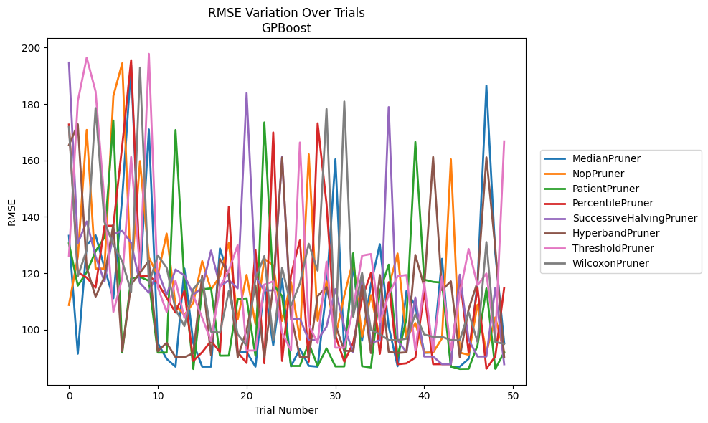
Trial | MedianPruner | NopPruner | PatientPruner | PercentilePruner | SuccessiveHalvingPruner | HyperbandPruner | ThresholdPruner | WilcoxonPruner
1 | 133.28064776 | 108.72936662 | 130.58004605 | 172.71586431 | 194.65856368 | 165.38601182 | 126.10804143 | 171.8548837
2 | 91.460318424 | 125.84696495 | 115.60021784 | 120.35759301 | 130.61281792 | 172.82750725 | 181.07445549 | 118.91255095
3 | 129.98058776 | 170.81058666 | 120.34179269 | 118.44075745 | 138.3640715 | 122.0055503 | 196.41984113 | 128.27644514
4 | 133.49426867 | 121.64691593 | 127.80283511 | 114.88339637 | 125.96121999 | 111.67546045 | 184.42342361 | 178.54724722
5 | 121.93064118 | 121.63920288 | 132.71492206 | 136.80753008 | 117.0569693 | 118.74724448 | 145.32747583 | 138.16215295
6 | 111.10246251 | 182.81388451 | 174.13155343 | 136.84573132 | 133.9250354 | 137.32802547 | 106.280081 | 130.09040629
7 | 146.85782067 | 194.42988035 | 91.88812391 | 165.28117682 | 135.01927932 | 92.372296763 | 118.21146324 | 124.24534895
8 | 193.74987793 | 117.92429358 | 118.16933221 | 195.5341619 | 130.80397501 | 116.03167246 | 161.20650376 | 113.36162126
9 | 117.56669039 | 159.76261525 | 118.70109888 | 118.82488582 | 116.52883083 | 120.14875128 | 121.06777766 | 192.90136459
10 | 170.98602178 | 125.598251 | 117.31772475 | 119.1336817 | 113.13796936 | 124.3913068 | 197.76429316 | 116.23083024
11 | 95.237312105 | 119.25795365 | 91.885864283 | 116.43200412 | 120.87857894 | 92.372296763 | 115.07437954 | 126.35023747
12 | 89.634517805 | 134.0711805 | 91.88812391 | 111.35121293 | 112.31755198 | 95.343427573 | 106.280081 | 121.9822628
13 | 86.856845454 | 108.70191599 | 170.78403193 | 106.06113753 | 121.3238998 | 90.242150061 | 117.33761456 | 107.18897863
14 | 121.68255578 | 105.19226299 | 116.73117019 | 113.82059483 | 119.22215124 | 90.242150061 | 104.18823615 | 101.2749087
15 | 95.204508015 | 109.5166913 | 86.047891851 | 88.899190494 | 112.44498416 | 91.65925213 | 112.18468668 | 114.37602812
16 | 86.865319954 | 124.30238315 | 114.29989378 | 92.011107763 | 114.87541961 | 119.17004217 | 104.18823615 | 118.1200588
17 | 86.865319954 | 114.2228754 | 114.65138643 | 96.035436596 | 128.02476299 | 90.86203222 | 95.992654449 | 99.292110829
18 | 128.78928547 | 118.87479154 | 90.767939694 | 92.108953038 | 115.36399437 | 125.06398493 | 115.14967981 | 98.974261715
19 | 118.82312242 | 130.79689791 | 90.810242872 | 143.57937198 | 117.49940559 | 119.64984182 | 121.00918451 | 113.66447196
20 | 91.908464575 | 103.62845862 | 110.81407296 | 91.951838849 | 114.6278234 | 90.208078751 | 129.9661462 | 98.406851635
21 | 92.108953038 | 119.41154619 | 111.10436086 | 88.185863921 | 183.88958136 | 99.743297377 | 92.607307414 | 94.349087932
22 | 86.865319954 | 102.03263388 | 90.732754231 | 128.28735856 | 118.69059231 | 115.71053437 | 92.607307414 | 118.11927526
23 | 115.83323143 | 125.10320878 | 173.46576608 | 88.081003448 | 113.86930427 | 90.241485818 | 115.95895408 | 126.08547291
24 | 94.435621656 | 122.82903227 | 115.93293121 | 169.91405759 | 113.94267781 | 115.64598375 | 117.1216921 | 96.249216752
25 | 118.01184696 | 103.10171598 | 111.94275379 | 88.899190494 | 161.32139297 | 161.02827292 | 98.974261715 | 121.95349802
26 | 86.965474283 | 116.88744733 | 87.124030118 | 119.38317199 | 103.54836406 | 105.19111142 | 92.607307414 | 108.53614453
27 | 93.251385076 | 96.523540179 | 87.124030118 | 131.63365391 | 103.94637713 | 90.241485818 | 166.34630489 | 116.3788277
28 | 87.156349947 | 162.17940642 | 95.221028033 | 88.616645895 | 96.261025577 | 90.242751462 | 101.75913437 | 130.45238566
29 | 86.863796605 | 103.10171598 | 87.124030118 | 173.15392796 | 96.428803483 | 111.93675165 | 95.274946581 | 120.91418934
30 | 114.26939412 | 117.10903684 | 93.359306737 | 144.62057867 | 101.04183138 | 115.10489335 | 124.11201092 | 178.23859797
31 | 160.39921582 | 97.480808807 | 86.958267796 | 97.955045038 | 114.38813836 | 101.71419012 | 93.615170496 | 96.871116571
32 | 91.829705229 | 112.06449617 | 86.958267796 | 88.616645895 | 101.04183138 | 92.493991352 | 93.615170496 | 180.8753039
33 | 122.57305891 | 124.6707327 | 127.09231499 | 95.358497861 | 91.963207555 | 92.455702972 | 107.51570455 | 104.60413353
34 | 96.122286707 | 97.480808807 | 87.021343617 | 111.06946853 | 118.14538084 | 115.78698633 | 126.23384788 | 120.13745677
35 | 116.00669364 | 112.21797659 | 86.619621476 | 120.07981915 | 95.306749696 | 91.695368965 | 126.81480213 | 99.881945862
36 | 130.28864884 | 96.947891997 | 113.48221762 | 91.407415181 | 96.261025577 | 119.3540632 | 102.55626762 | 98.406851635
37 | 101.12832275 | 115.14967981 | 123.03406401 | 116.83312009 | 178.89216427 | 92.111462919 | 112.37040562 | 96.298860279
38 | 87.020958174 | 126.99612876 | 90.406099268 | 87.718067385 | 96.261025577 | 91.757243557 | 118.92989585 | 96.298860279
39 | 113.71694411 | 96.947891997 | 103.91616021 | 88.063323609 | 91.963207555 | 91.963207555 | 119.36504624 | 96.812560317
40 | 108.54964252 | 102.34583882 | 166.54949212 | 90.073010717 | 111.43905928 | 126.48671644 | 92.608394812 | 105.44130661
41 | 91.799228068 | 91.870311292 | 117.69615806 | 113.57036777 | 90.468380489 | 115.21994421 | 116.5709382 | 98.307858969
42 | 91.926876255 | 91.909429641 | 116.93374831 | 87.760152244 | 90.468380489 | 161.19913503 | 92.322238335 | 97.466166232
43 | 125.12616978 | 96.947891997 | 116.67693544 | 87.760152244 | 87.760152244 | 114.00363017 | 118.8459653 | 97.491143057
44 | 86.863796605 | 160.39499568 | 86.958087461 | 87.760152244 | 87.760152244 | 117.13110197 | 92.608394812 | 96.298860279
45 | 86.865319954 | 91.870311292 | 86.065040681 | 118.94409091 | 119.48818679 | 90.242150061 | 112.73221342 | 96.249216752
46 | 89.671784674 | 91.098832286 | 86.111374602 | 91.870870233 | 96.503647671 | 107.22768682 | 128.6060284 | 106.16495972
47 | 116.44322131 | 108.84861452 | 94.452508203 | 114.97807855 | 90.468380489 | 116.90641932 | 115.71899156 | 95.648501951
48 | 186.5224765 | 91.909429641 | 114.63134133 | 86.149732257 | 90.468380489 | 161.07862042 | 119.90611272 | 131.04689394
49 | 127.11627047 | 104.3606611 | 86.111374602 | 90.521619326 | 114.82460293 | 129.04991515 | 96.298860279 | 95.648501951
50 | 95.247767895 | 91.897091914 | 91.961103359 | 114.82460293 | 87.718067385 | 90.208078751 | 166.75246322 | 94.975768199

RMSE_Trials_CatBoost
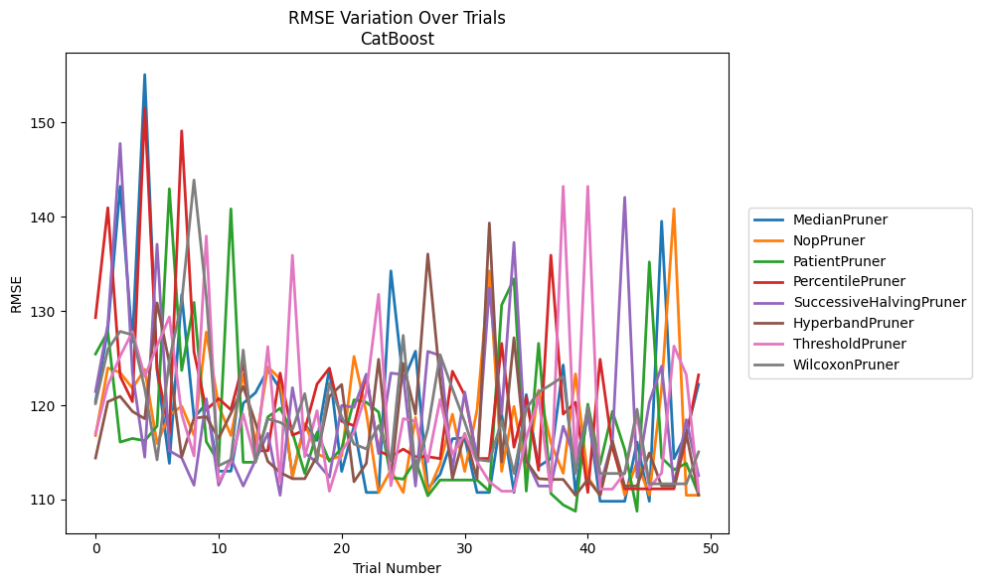
Trial | MedianPruner | NopPruner | PatientPruner | PercentilePruner | SuccessiveHalvingPruner | HyperbandPruner | ThresholdPruner | WilcoxonPruner
1 | 120.40872624 | 116.79368049 | 125.43429856 | 129.29515114 | 121.45163697 | 114.40698198 | 116.98950205 | 120.17430731
2 | 128.08039377 | 123.95410426 | 127.7939526 | 140.94354503 | 128.54858876 | 120.37609556 | 122.12885234 | 125.93483591
3 | 143.21359555 | 123.46545846 | 116.09636064 | 123.07600036 | 147.75586203 | 120.9415549 | 125.18927861 | 127.83228093
4 | 126.71405982 | 121.80738031 | 116.48055036 | 120.38262052 | 123.39278013 | 119.3420332 | 127.80540344 | 127.4610597
5 | 155.06199713 | 123.8054994 | 116.23296173 | 151.50333881 | 114.50241128 | 118.57224938 | 123.03979672 | 121.73803383
6 | 123.7039103 | 115.95015931 | 117.79274877 | 123.88193857 | 137.07653939 | 130.84868303 | 126.2752538 | 114.21265055
7 | 113.83926045 | 118.9695682 | 142.95667351 | 117.0031443 | 115.17117155 | 124.45341115 | 129.3667536 | 124.76970872
8 | 131.7247509 | 119.90357973 | 123.6908308 | 149.0910591 | 114.43095011 | 114.50241128 | 119.05672047 | 130.98540088
9 | 118.68107658 | 116.81599408 | 130.90244392 | 125.65234467 | 111.52132576 | 118.62517242 | 114.63047002 | 143.88250827
10 | 120.16657148 | 127.75848059 | 116.14608202 | 119.519993 | 120.68499098 | 118.7838349 | 137.9413077 | 131.56505543
11 | 113.00967418 | 119.94940912 | 113.93461444 | 120.7076454 | 111.52132576 | 116.48216555 | 111.88922225 | 113.58461486
12 | 113.00967418 | 116.79368049 | 140.82158088 | 119.519993 | 114.38218852 | 119.14391544 | 114.05623833 | 114.21265055
13 | 120.20797887 | 123.26632874 | 113.95298218 | 124.45676753 | 111.43302198 | 121.99383878 | 119.04966907 | 125.8555928
14 | 121.32902303 | 115.95015931 | 113.95298218 | 115.17117155 | 114.18689757 | 118.11989294 | 114.05623833 | 114.06541298
15 | 123.77795873 | 124.07140678 | 118.75972163 | 115.17886107 | 117.01672444 | 114.0455459 | 126.21978723 | 118.55777914
16 | 121.71649747 | 122.79795558 | 119.68053587 | 123.41265229 | 110.45742677 | 112.86772705 | 111.88922225 | 118.18166978
17 | 112.52961128 | 112.3721969 | 117.09863094 | 116.82420153 | 121.86076391 | 112.2113799 | 135.90498045 | 117.43043737
18 | 117.98106561 | 118.04806569 | 112.76551531 | 117.37439034 | 114.93699784 | 112.2113799 | 114.53480747 | 121.22612657
19 | 116.26800685 | 114.85292099 | 117.13494873 | 122.24339551 | 113.91790735 | 114.63047002 | 119.41397986 | 114.06541298
20 | 123.88144411 | 114.24034031 | 114.06541298 | 123.93020614 | 112.3721969 | 120.93210897 | 110.8868514 | 122.32996221
21 | 112.98593573 | 114.62150264 | 115.4218936 | 118.29826419 | 119.98060469 | 122.19878092 | 115.09491151 | 118.79637884
22 | 117.7678545 | 125.17777185 | 120.57877792 | 117.83776494 | 119.77356416 | 111.88922225 | 117.13321084 | 115.88887061
23 | 110.75216124 | 119.23047167 | 120.31749324 | 123.18054493 | 123.29524056 | 113.82538593 | 121.33648004 | 115.36820214
24 | 110.75216124 | 110.75216124 | 119.27679294 | 115.17886107 | 114.87244014 | 124.87127474 | 131.75948302 | 117.84009718
25 | 134.24490206 | 113.11184508 | 112.34864452 | 114.54263775 | 123.41265229 | 112.2113799 | 111.4628912 | 114.06541298
26 | 122.52807087 | 110.75216124 | 112.16125626 | 115.34871634 | 123.24119857 | 124.42871651 | 118.57224938 | 127.40605982
27 | 125.72838258 | 118.69483442 | 114.14164409 | 114.54263775 | 111.43302198 | 119.04966907 | 118.30205677 | 112.76551531
28 | 111.13551018 | 110.75216124 | 110.39499687 | 114.54263775 | 125.70716751 | 136.03537229 | 114.00364721 | 117.50536243
29 | 112.6855996 | 113.75592308 | 112.07030215 | 114.34072359 | 125.28367882 | 122.59243454 | 120.61188528 | 125.35200541
30 | 116.44742939 | 119.04850237 | 112.07030215 | 123.60360509 | 113.12829713 | 112.2113799 | 114.80869504 | 121.72228626
31 | 116.5385827 | 112.98593573 | 112.07030215 | 121.04950797 | 121.4044934 | 116.99030605 | 116.90411012 | 118.22999715
32 | 110.75216124 | 119.49847493 | 112.07030215 | 114.34072359 | 114.34072359 | 112.2113799 | 113.98690585 | 114.24624439
33 | 110.75216124 | 134.24490206 | 110.89298369 | 114.35969725 | 132.43797798 | 139.32214094 | 111.88922225 | 114.06541298
34 | 119.04850237 | 112.99148464 | 130.63443275 | 126.55658745 | 119.08740211 | 113.98690585 | 110.8868514 | 118.32959312
35 | 110.75216124 | 119.87043301 | 133.39532718 | 115.55178881 | 137.26583064 | 127.16175401 | 110.8868514 | 112.76551531
36 | 121.12642212 | 112.6855996 | 110.89298369 | 120.84498375 | 114.24034031 | 114.05623833 | 116.49386715 | 119.63973331
37 | 113.5035338 | 121.59784926 | 126.55658745 | 113.11184508 | 111.43302198 | 112.2113799 | 120.82217356 | 121.3888184
38 | 114.35720294 | 116.03411261 | 110.62902063 | 135.90498045 | 111.43302198 | 112.1321625 | 110.8868514 | 122.18428385
39 | 124.26964822 | 112.78512974 | 109.43149088 | 119.05625839 | 117.76820581 | 112.1321625 | 143.21359555 | 123.05527976
40 | 110.75216124 | 123.32260999 | 108.75823081 | 120.32047889 | 114.18689757 | 110.45742677 | 113.17882244 | 112.76551531
41 | 119.31416236 | 112.3721969 | 120.1125574 | 110.75216124 | 118.96665603 | 112.1321625 | 143.21359555 | 119.81630397
42 | 109.81674567 | 110.45742677 | 113.75592308 | 124.87127474 | 111.43302198 | 110.45742677 | 111.10840904 | 112.76551531
43 | 109.81674567 | 116.10309129 | 119.34708769 | 115.51432694 | 116.18277068 | 116.18277068 | 111.10840904 | 112.76551531
44 | 109.81674567 | 110.45742677 | 115.28742838 | 111.13551018 | 142.04582933 | 111.43302198 | 112.8206486 | 112.76551531
45 | 116.10309129 | 113.95298218 | 108.75823081 | 111.13551018 | 112.34864452 | 111.43302198 | 118.83509005 | 119.5813272
46 | 109.81674567 | 110.45742677 | 135.19466595 | 111.13551018 | 120.32047889 | 114.93699784 | 111.24865627 | 111.66621565
47 | 139.50772034 | 121.86076391 | 114.43095011 | 111.13551018 | 124.13555035 | 111.43302198 | 112.8206486 | 111.66621565
48 | 114.34072359 | 140.82158088 | 113.16121792 | 111.13551018 | 111.43302198 | 111.43302198 | 126.26868256 | 111.66621565
49 | 117.01632051 | 110.45742677 | 113.8428318 | 116.58242067 | 118.46698932 | 117.01632051 | 123.24419412 | 111.66621565
50 | 122.2203847 | 110.45742677 | 110.54774362 | 123.21764523 | 112.52961128 | 110.45742677 | 110.8868514 | 115.04543001

RMSE_Trials_NGBoost
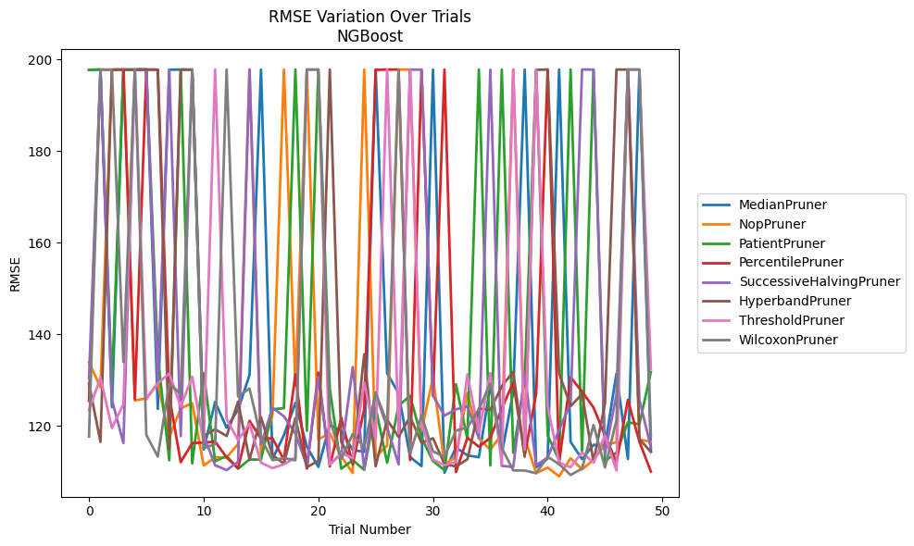
Trial | MedianPruner | NopPruner | PatientPruner | PercentilePruner | SuccessiveHalvingPruner | HyperbandPruner | ThresholdPruner | WilcoxonPruner
1 | 197.78425327 | 133.92581451 | 197.77126594 | 125.51134452 | 130.40814263 | 129.24587991 | 123.50908032 | 117.71092964
2 | 197.83905065 | 128.45091 | 197.82620451 | 197.83906106 | 197.77590789 | 116.54041201 | 130.57730155 | 197.77985271
3 | 124.12268449 | 197.81731205 | 128.42777143 | 197.80214791 | 125.73640312 | 197.82115418 | 119.57865912 | 197.8102994
4 | 197.80769938 | 197.79472379 | 197.80445044 | 197.83905794 | 116.30170217 | 197.81628224 | 124.79153768 | 133.98581081
5 | 197.82158738 | 125.60041991 | 197.83164817 | 125.84748223 | 197.80769407 | 197.80628127 | 197.83447256 | 197.80408742
6 | 197.83396784 | 126.05418113 | 197.83733729 | 197.82474575 | 197.81041781 | 197.83447382 | 125.84617749 | 118.05652687
7 | 123.75663768 | 129.43855751 | 135.21301045 | 197.7920111 | 129.49070801 | 197.81865274 | 129.34411157 | 113.36337025
8 | 197.79995219 | 117.56656108 | 112.54117083 | 126.51346738 | 197.83835228 | 115.03479985 | 131.50098542 | 129.31412201
9 | 197.825045 | 123.88330966 | 197.80867674 | 112.11216121 | 117.80658684 | 197.832402 | 124.22230459 | 127.01668408
10 | 197.7773243 | 124.98924861 | 111.84134129 | 116.28772848 | 197.8281268 | 197.83142444 | 130.78829169 | 197.8226996
11 | 114.8719829 | 111.37645161 | 131.5421746 | 116.40041531 | 117.97088736 | 117.83973278 | 116.26752736 | 115.15607541
12 | 125.27479987 | 113.20565988 | 112.3387498 | 116.6262156 | 111.43971836 | 119.29954352 | 197.83162322 | 116.0888445
13 | 119.64781756 | 113.12837155 | 113.45872045 | 113.16874625 | 110.39448557 | 117.84060032 | 121.51209527 | 197.83733729
14 | 123.57942513 | 116.08912504 | 110.69806466 | 110.8139636 | 112.17104417 | 125.30655514 | 116.96553579 | 126.47003923
15 | 131.14927927 | 197.83835687 | 112.71293514 | 121.14417728 | 197.83429925 | 112.64476176 | 120.51177375 | 128.20124303
16 | 197.81828975 | 113.8744763 | 112.67768023 | 117.26625101 | 115.95371718 | 121.95472164 | 112.01064603 | 117.37526406
17 | 112.80353113 | 122.41983859 | 123.67460329 | 117.34171487 | 123.99606161 | 113.65055214 | 110.82946516 | 112.55230104
18 | 118.0210359 | 197.8299298 | 123.90485244 | 112.64891582 | 122.13360152 | 111.80747927 | 111.67074678 | 113.03176422
19 | 125.06676401 | 128.88771883 | 197.83904763 | 131.28870681 | 118.32289079 | 121.7707316 | 113.12543851 | 112.54194516
20 | 115.47724001 | 197.80406025 | 118.97841404 | 110.71692471 | 111.39363962 | 111.03266239 | 197.83905931 | 197.80567987
21 | 111.10692617 | 117.11228556 | 197.80144231 | 131.68812504 | 130.76378903 | 112.4062038 | 197.82566046 | 197.82943442
22 | 120.26827439 | 118.4351187 | 128.17488052 | 111.19206814 | 111.66091085 | 197.83905116 | 111.56690287 | 121.68774576
23 | 118.95605088 | 113.38106007 | 110.69523108 | 121.8062411 | 113.9578828 | 116.53014031 | 114.09633781 | 112.84193161
24 | 114.81071551 | 109.77213203 | 112.5682385 | 111.60293254 | 132.90248552 | 112.00329634 | 112.98832246 | 118.27376226
25 | 114.34092008 | 197.82501105 | 110.44921294 | 123.73120471 | 110.67838262 | 135.67229405 | 129.55024296 | 115.39116554
26 | 197.82526083 | 113.383691 | 123.98311051 | 197.77280391 | 127.03274456 | 111.23998095 | 117.22033542 | 127.31193743
27 | 131.51286835 | 115.73099058 | 111.99795339 | 197.82087691 | 119.70525376 | 121.37379624 | 197.83924847 | 120.63278487
28 | 127.17155702 | 197.82585693 | 124.45453797 | 197.82774554 | 111.63628851 | 117.66257085 | 118.36879372 | 197.83901909
29 | 113.23962193 | 197.8115441 | 126.59238089 | 112.56443477 | 197.83406651 | 122.05573627 | 197.82461836 | 113.87363183
30 | 111.26145969 | 119.0095927 | 117.49279443 | 197.82857443 | 197.80246213 | 116.37775409 | 120.56033141 | 122.34247061
31 | 197.80605102 | 130.57530728 | 112.36230425 | 126.58801897 | 126.66097127 | 117.33540255 | 112.69990614 | 114.47197534
32 | 109.82704391 | 111.67170186 | 110.39618383 | 197.83436495 | 122.27650924 | 111.72119804 | 111.47235773 | 113.30592389
33 | 115.32298738 | 113.26425445 | 129.13845812 | 109.95888367 | 123.65397827 | 111.17958871 | 112.19292668 | 119.01867566
34 | 113.61769853 | 127.22107494 | 117.16352306 | 117.4439159 | 124.32152272 | 112.7426874 | 131.28544378 | 119.71074178
35 | 113.20711691 | 117.2917733 | 197.83006621 | 115.5085237 | 117.4395373 | 123.81285938 | 118.588247 | 123.68625512
36 | 128.81345418 | 114.84583484 | 111.39008882 | 117.43259411 | 197.82856865 | 123.53945537 | 131.5895867 | 129.28315629
37 | 113.97606812 | 118.27764931 | 197.82141326 | 123.82439219 | 111.33236348 | 128.68385149 | 111.6795772 | 115.21823305
38 | 127.47813256 | 197.8289311 | 114.15191489 | 129.54070166 | 111.06483779 | 131.87054911 | 197.83904654 | 110.32678555
39 | 197.83216323 | 117.56633956 | 130.28371044 | 113.66791553 | 131.45701002 | 113.32681117 | 114.85349356 | 110.29789463
40 | 110.99004963 | 109.74239953 | 197.83432515 | 127.12142019 | 111.42899067 | 197.78152651 | 197.77023609 | 109.71405042
41 | 112.90535256 | 110.95087522 | 117.98422434 | 197.83430778 | 113.15690826 | 197.82959272 | 124.33994034 | 113.30639746
42 | 197.83829167 | 109.02833129 | 112.54584802 | 112.05540673 | 119.13969011 | 131.49898957 | 112.0364239 | 111.68544804
43 | 116.55699681 | 112.99070276 | 197.83835387 | 130.66335719 | 125.02360099 | 124.34342497 | 111.01797253 | 109.32622065
44 | 112.78665877 | 110.55378716 | 114.04078304 | 127.53386797 | 197.83905028 | 126.980407 | 114.25650725 | 110.71842844
45 | 115.91183579 | 112.61191399 | 197.80108684 | 124.04886332 | 197.81763003 | 112.20411172 | 112.02205526 | 120.23556389
46 | 115.64382793 | 115.96959926 | 112.35242497 | 117.95759383 | 114.07787167 | 124.95702136 | 117.97732289 | 110.97073481
47 | 131.47585315 | 116.44982354 | 114.22444009 | 112.10963783 | 126.82145893 | 197.83436778 | 110.31111218 | 121.2850998
48 | 112.82104717 | 197.83742147 | 120.82136606 | 125.73905054 | 197.80443282 | 197.82344579 | 197.83828924 | 197.83829143
49 | 197.82430644 | 117.06220647 | 120.42996312 | 116.60172124 | 125.74881399 | 117.16224682 | 197.82743892 | 197.83837297
50 | 114.65948063 | 116.58305144 | 131.8069161 | 110.08321868 | 115.38315346 | 114.35642887 | 132.4208074 | 117.76398033

RMSE_Trials_TabNet
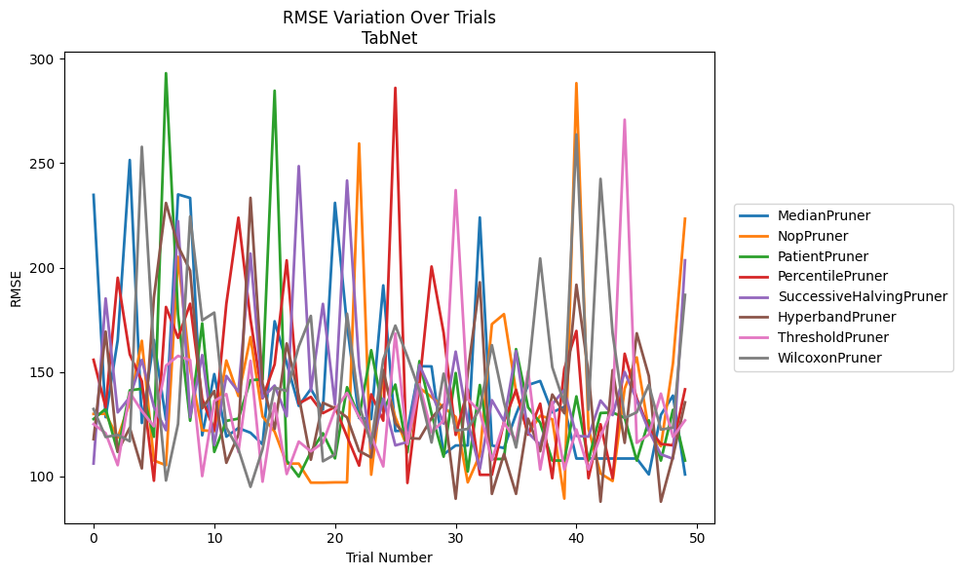
Trial | MedianPruner | NopPruner | PatientPruner | PercentilePruner | SuccessiveHalvingPruner | HyperbandPruner | ThresholdPruner | WilcoxonPruner
1 | 234.79965696 | 129.92110737 | 127.46573912 | 155.82114271 | 106.18861738 | 117.85060723 | 125.03752562 | 132.27435828
2 | 128.36279762 | 130.00923194 | 132.34375369 | 133.10844234 | 185.21578421 | 169.34344725 | 120.73057232 | 118.86279183
3 | 165.25352209 | 118.54202182 | 111.74521103 | 195.1189541 | 130.65089456 | 111.9304899 | 105.38172335 | 119.9151922
4 | 251.49310378 | 135.25722023 | 141.1997145 | 158.44276372 | 137.92898988 | 123.33389244 | 140.1840169 | 116.84049039
5 | 125.58102464 | 164.93558757 | 141.98899605 | 145.58491267 | 155.78087701 | 103.84064188 | 131.31219509 | 257.81311364
6 | 165.32462739 | 107.62406994 | 118.98839968 | 97.954928251 | 133.32353154 | 185.6851018 | 123.99953928 | 159.45104191
7 | 127.15511335 | 105.38172335 | 293.04441856 | 181.1310709 | 122.14175934 | 230.92269912 | 153.02506943 | 98.055205074
8 | 235.01272406 | 205.13605432 | 177.55212703 | 166.31991011 | 222.24234555 | 210.31688331 | 157.7234526 | 125.11308557
9 | 233.32867276 | 151.31228057 | 126.67168516 | 182.66722861 | 128.37326557 | 198.524538 | 155.67890005 | 224.44045006
10 | 119.67681088 | 122.09686936 | 173.27844621 | 137.14533093 | 158.11136305 | 132.59308346 | 100.15112116 | 174.7283103
11 | 148.99998034 | 121.61534439 | 111.74521103 | 122.1552427 | 115.00012313 | 140.89019439 | 136.14448322 | 178.43822789
12 | 119.04740308 | 155.50259368 | 126.60614988 | 182.60691432 | 148.1005254 | 106.53181835 | 139.42700123 | 123.38218302
13 | 123.17064906 | 138.49870966 | 127.65734776 | 223.89749852 | 140.5047472 | 119.98631514 | 111.72274468 | 112.94704148
14 | 120.92559696 | 166.7251961 | 146.06613041 | 175.26049251 | 206.68664008 | 233.37929328 | 155.35705473 | 95.02446745
15 | 115.36253996 | 128.69612799 | 146.49804686 | 137.39493856 | 137.63807698 | 144.40871495 | 97.499739583 | 113.03228245
16 | 174.29509818 | 121.4394903 | 284.66481112 | 153.65554136 | 143.50656698 | 122.73670132 | 135.00275605 | 142.52053032
17 | 154.21724607 | 106.14520567 | 107.59316911 | 203.47106098 | 128.79607792 | 163.67486945 | 101.15750019 | 140.92017632
18 | 133.76542697 | 106.14520567 | 99.909465854 | 134.88519424 | 248.56080273 | 138.46070629 | 116.70306119 | 162.21078229
19 | 141.88361758 | 97.020817676 | 111.73065496 | 138.07088165 | 140.99963985 | 108.00951202 | 111.98486226 | 176.85593979
20 | 131.99002685 | 97.020817676 | 120.68101031 | 130.30547793 | 182.60691432 | 135.26386251 | 116.0885766 | 107.24874344
21 | 230.98015506 | 97.169773303 | 108.65685217 | 133.23424948 | 134.47123734 | 132.63908531 | 131.92789224 | 110.53205842
22 | 172.33246507 | 97.169773303 | 142.71445623 | 119.11510895 | 241.66253588 | 128.23653682 | 139.98399044 | 177.90186133
23 | 127.97437793 | 259.39496911 | 128.2820912 | 105.1897235 | 152.77107056 | 112.15405577 | 128.47150553 | 134.13539685
24 | 127.44265331 | 100.8262109 | 160.4405008 | 139.31174293 | 113.45726842 | 109.10226263 | 119.59900449 | 115.75267866
25 | 191.46552399 | 148.49258189 | 131.17415964 | 126.71510861 | 137.23084452 | 150.94499852 | 104.78919967 | 155.95430145
26 | 121.7303669 | 128.37326557 | 143.97871072 | 286.02585384 | 114.85277175 | 125.45856512 | 168.40979596 | 172.21260593
27 | 122.06139992 | 113.89028523 | 111.52634218 | 96.891233519 | 116.48115459 | 118.40248081 | 115.37562635 | 157.36291777
28 | 152.77107056 | 142.42988269 | 155.21705443 | 144.36988627 | 153.35373859 | 118.05170097 | 144.17459034 | 141.03562964
29 | 152.66761409 | 138.01519957 | 130.0642945 | 200.50645836 | 140.22137213 | 127.9219313 | 121.15051895 | 116.25670764
30 | 110.58449117 | 133.03555534 | 109.45218259 | 168.77339537 | 125.30023319 | 134.44381232 | 126.74238759 | 149.20597131
31 | 114.82556829 | 128.49635969 | 149.50771432 | 119.88181436 | 159.7513143 | 89.315908678 | 237.07047508 | 121.943134
32 | 114.82556829 | 97.169773303 | 102.38223036 | 141.54789522 | 126.12628143 | 149.66647817 | 136.93946113 | 122.73890527
33 | 223.97527068 | 110.33955493 | 143.77317069 | 100.78023255 | 103.57349444 | 192.95778562 | 131.12061331 | 132.42452892
34 | 114.82556829 | 172.902367 | 108.35915758 | 100.78023255 | 136.51971584 | 91.655136585 | 107.82806047 | 162.85468503
35 | 113.57864841 | 177.71075186 | 108.35915758 | 126.10971089 | 126.41639329 | 110.73472666 | 125.69088369 | 135.53360256
36 | 129.75092576 | 140.59254487 | 160.94814892 | 141.49805376 | 160.03687929 | 91.655136585 | 117.23200405 | 113.85198467
37 | 143.78140961 | 120.47327326 | 133.07710406 | 120.00422763 | 120.94100447 | 127.62572309 | 150.49480888 | 148.07696347
38 | 145.70666299 | 129.05539478 | 125.72424562 | 134.82813858 | 115.09695302 | 112.04226323 | 103.28875729 | 204.3713398
39 | 130.68259047 | 127.38234078 | 107.61100737 | 99.13900831 | 134.57586731 | 139.22113143 | 135.61105919 | 152.35209913
40 | 133.33235758 | 89.404169191 | 107.61100737 | 151.51410954 | 141.49149019 | 130.26791054 | 103.28875729 | 134.82813858
41 | 108.57131963 | 288.28009654 | 138.31643973 | 169.6619053 | 119.40056582 | 191.77661362 | 122.47191563 | 263.72612451
42 | 108.57131963 | 122.80418229 | 107.61100737 | 99.13900831 | 119.0482562 | 149.50008492 | 103.28875729 | 131.91258351
43 | 108.57131963 | 101.38878894 | 130.35552347 | 124.97587267 | 136.35377355 | 87.926008155 | 119.24712965 | 242.45607689
44 | 108.57131963 | 97.811601434 | 130.62303378 | 99.13900831 | 129.37095404 | 150.88708397 | 132.70119601 | 168.51149812
45 | 108.57131963 | 142.0869081 | 128.03884298 | 158.73964656 | 150.03539296 | 116.07619736 | 270.8020062 | 128.00218962
46 | 108.57131963 | 156.99376107 | 107.59316911 | 137.40778868 | 136.47669644 | 168.53849593 | 116.09319482 | 130.71203739
47 | 100.95590486 | 122.0321943 | 126.85799994 | 123.00792737 | 121.8833651 | 148.0535231 | 120.0434695 | 143.87430088
48 | 129.5126683 | 114.45229629 | 107.59316911 | 115.54764727 | 110.58701678 | 87.926008155 | 139.63198701 | 122.45658111
49 | 138.70232148 | 154.16871972 | 131.8893135 | 114.89494182 | 108.45387124 | 109.45075948 | 118.89502657 | 123.33050743
50 | 100.95590486 | 223.36815357 | 107.59316911 | 141.69317231 | 203.47106098 | 135.47279045 | 126.85034012 | 186.91511902

RMSE_Trials_HistGradientBoosting
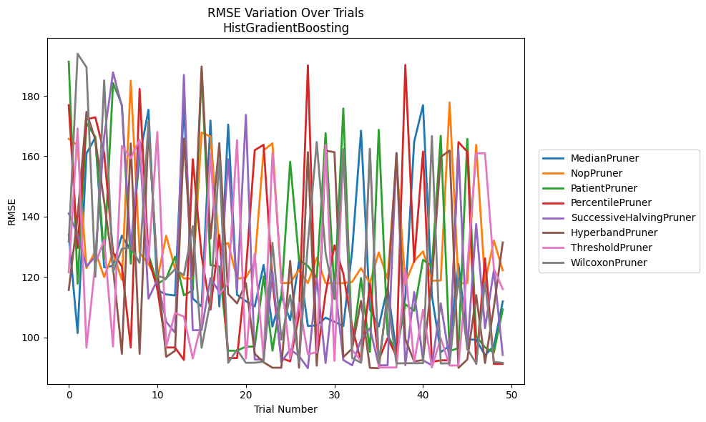
Trial | MedianPruner | NopPruner | PatientPruner | PercentilePruner | SuccessiveHalvingPruner | HyperbandPruner | ThresholdPruner | WilcoxonPruner
1 | 133.95137996 | 165.76131409 | 191.33417868 | 176.93224032 | 141.06856561 | 115.70516884 | 121.60051494 | 131.76179872
2 | 101.40981811 | 163.63985664 | 117.7632264 | 129.60361472 | 133.96557501 | 140.00321664 | 169.23656323 | 193.97574282
3 | 160.96022612 | 122.90727866 | 171.00628512 | 172.2543523 | 123.51034455 | 174.70062371 | 96.582437422 | 189.49210714
4 | 166.23225108 | 128.46252261 | 166.40457066 | 172.92284459 | 126.73689622 | 165.43148932 | 124.32710808 | 120.11587319
5 | 123.18061002 | 120.00317815 | 125.97217301 | 161.1207893 | 166.57252504 | 144.89257804 | 132.35913248 | 185.12411734
6 | 123.69749052 | 128.0301965 | 184.24736366 | 128.16700424 | 187.7907116 | 123.08261348 | 96.945916927 | 121.60051494
7 | 133.73960216 | 119.05240792 | 177.04316421 | 123.46479034 | 176.5408769 | 94.554907368 | 163.40955525 | 129.38668813
8 | 128.83410231 | 185.03692974 | 124.3869274 | 96.644338273 | 129.18642469 | 164.24910153 | 159.34797122 | 129.74893174
9 | 159.67326993 | 128.02655636 | 163.83739982 | 182.33497509 | 164.82171663 | 94.548195503 | 165.47646229 | 124.69723657
10 | 175.41044844 | 124.25355353 | 127.51483136 | 126.27549121 | 112.80761516 | 168.9912131 | 125.29720144 | 171.51816607
11 | 115.65105072 | 119.22342948 | 117.7632264 | 116.11358709 | 119.05331019 | 122.65962945 | 168.04898642 | 120.34216397
12 | 114.21870604 | 133.66978574 | 119.42631369 | 96.644338273 | 105.15217956 | 93.555720789 | 96.945916927 | 119.57058687
13 | 113.87947422 | 122.7943792 | 126.74513498 | 96.644338273 | 101.58015495 | 95.53744656 | 108.07549075 | 122.55421604
14 | 177.33618414 | 119.51784358 | 113.93491974 | 92.522682344 | 186.92100204 | 165.86651341 | 106.87965343 | 120.59394831
15 | 112.88635759 | 119.39505789 | 115.60029952 | 159.04343549 | 102.37240078 | 120.47629358 | 92.994625349 | 136.85483663
16 | 110.21554678 | 167.89897825 | 188.26898043 | 127.00891051 | 102.37240078 | 189.75865604 | 104.99337172 | 96.544405302
17 | 171.8337982 | 166.55369337 | 123.95875326 | 109.16773159 | 119.62999121 | 132.71658822 | 160.96323792 | 111.91831476
18 | 110.21554678 | 130.26457101 | 123.45446816 | 133.91509926 | 115.04844967 | 164.33935276 | 114.36004491 | 159.33622832
19 | 170.48907128 | 131.23094476 | 95.591246652 | 93.138684133 | 158.99831407 | 114.36004491 | 117.7925103 | 91.587612605
20 | 114.11406728 | 119.48320549 | 95.591246652 | 93.138684133 | 115.83295604 | 111.25984052 | 165.31816165 | 95.88658933
21 | 111.98473649 | 119.78147166 | 96.932197429 | 121.94127708 | 173.71121252 | 118.00203698 | 92.994625349 | 91.587612605
22 | 110.21554678 | 124.92169018 | 96.932197429 | 162.0145701 | 92.66306971 | 94.554907368 | 127.72792476 | 91.587612605
23 | 124.02395141 | 161.96790934 | 120.20812941 | 163.8019358 | 92.66306971 | 91.742172224 | 92.994625349 | 91.925576576
24 | 103.55850308 | 164.29246113 | 95.591246652 | 118.2881341 | 121.75103195 | 89.945386125 | 161.24177955 | 131.33510812
25 | 113.85555534 | 118.02193764 | 113.49263498 | 93.138684133 | 91.728090246 | 89.945386125 | 119.54580975 | 99.26826979
26 | 105.6965137 | 118.02193764 | 158.21536083 | 92.040651945 | 96.052859771 | 125.31516146 | 92.994625349 | 113.99770217
27 | 125.29129998 | 122.40096738 | 125.61790005 | 107.48264469 | 93.809826437 | 89.945386125 | 111.50023391 | 91.587612605
28 | 103.75075198 | 117.9491473 | 123.6191404 | 190.13284188 | 89.790301262 | 161.37181068 | 94.378500042 | 131.25616781
29 | 104.00525609 | 126.39824909 | 119.66670741 | 92.522682344 | 119.42631369 | 90.606891295 | 95.097680511 | 164.71554276
30 | 106.50643394 | 117.9491473 | 167.66299158 | 114.56500725 | 91.511284037 | 161.85269455 | 163.73837478 | 127.94878133
31 | 105.17037595 | 117.9491473 | 114.79300487 | 130.46041926 | 118.8972678 | 161.35322246 | 92.219437236 | 112.70014065
32 | 103.75075198 | 117.9491473 | 175.85195896 | 121.06469223 | 92.47316017 | 93.472297714 | 161.39369201 | 162.39897054
33 | 128.71912886 | 118.40176912 | 96.932197429 | 103.55850308 | 90.760027101 | 96.279058454 | 95.801985167 | 93.138684133
34 | 168.48377946 | 122.92527579 | 119.66670741 | 91.864483337 | 99.261550783 | 112.09384799 | 92.219437236 | 91.587612605
35 | 109.27728325 | 118.04842396 | 95.203483618 | 117.78760772 | 103.02034319 | 89.887899673 | 161.94989037 | 162.48964316
36 | 103.57945856 | 128.15646558 | 168.7822102 | 92.522682344 | 90.760027101 | 89.790301262 | 90.025223439 | 91.434852134
37 | 116.48130415 | 119.42631369 | 100.87695347 | 99.733225345 | 90.760027101 | 114.61677505 | 90.025223439 | 112.55139831
38 | 95.012152547 | 158.86087592 | 95.021614451 | 93.792631363 | 161.13387919 | 160.96323792 | 90.025223439 | 91.37527692
39 | 113.24541838 | 117.98147923 | 110.94029409 | 190.25382657 | 90.760027101 | 99.407144944 | 122.76868463 | 91.434852134
40 | 164.82983425 | 125.27317045 | 108.78326149 | 124.92966137 | 115.01835757 | 92.011412514 | 91.562209034 | 91.434852134
41 | 176.93247369 | 128.4966875 | 125.69018354 | 161.57853289 | 92.396997876 | 92.490307501 | 109.15492206 | 91.434852134
42 | 113.75616349 | 118.72669762 | 123.50391923 | 91.864483337 | 90.760027101 | 118.94637829 | 90.025223439 | 166.70228433
43 | 95.069941202 | 118.84187629 | 166.78189987 | 92.396997876 | 111.25984052 | 159.75263655 | 99.705147875 | 91.37527692
44 | 97.223994852 | 177.83999474 | 95.491092661 | 92.396997876 | 92.664268928 | 161.90558762 | 90.666879902 | 91.37527692
45 | 124.2645441 | 117.9491473 | 96.404365474 | 164.69638692 | 162.03335559 | 89.887899673 | 90.666879902 | 119.65011707
46 | 99.261550783 | 117.9491473 | 165.7809811 | 161.48472799 | 95.999056777 | 92.664268928 | 123.45760656 | 96.210053283
47 | 99.261550783 | 163.7767993 | 100.36170433 | 91.19784229 | 137.55096385 | 113.98076017 | 160.9795615 | 91.37527692
48 | 94.073992786 | 118.16614779 | 96.651960668 | 126.19879046 | 103.02034319 | 91.511284037 | 160.97149974 | 118.35744941
49 | 97.073207272 | 132.07138948 | 95.021614451 | 91.19784229 | 122.27718607 | 110.03694591 | 122.76868463 | 91.864483337
50 | 111.91831476 | 122.20518285 | 109.27728325 | 91.19784229 | 94.164036082 | 131.4462814 | 115.99563384 | 91.542199923

RMSE_Trials_PGBM
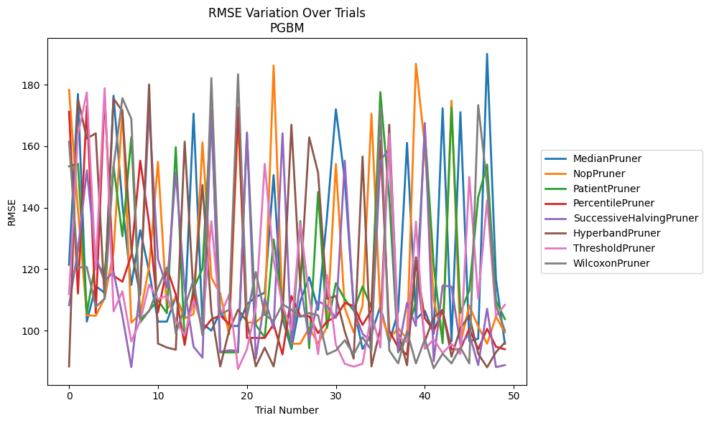
Trial | MedianPruner | NopPruner | PatientPruner | PercentilePruner | SuccessiveHalvingPruner | HyperbandPruner | ThresholdPruner | WilcoxonPruner
1 | 121.43118618 | 178.34124818 | 153.4748809 | 171.18544204 | 108.31301365 | 88.393879187 | 111.83601247 | 161.51036477
2 | 176.99694558 | 139.39063633 | 154.26994182 | 112.08558118 | 126.27982315 | 175.28057917 | 163.87590492 | 120.56197428
3 | 102.96502938 | 105.01937797 | 105.70700854 | 173.07989024 | 152.15804737 | 162.48896626 | 177.44958142 | 120.69253695
4 | 114.51018102 | 104.84607626 | 122.56084318 | 105.82700938 | 124.01737081 | 164.17735964 | 120.08384584 | 107.7284563
5 | 112.32162449 | 110.64080109 | 118.30704309 | 176.32868233 | 116.04224509 | 110.31719064 | 178.86849933 | 110.42699341
6 | 176.4212397 | 125.67340031 | 153.52262932 | 117.87833866 | 119.2318989 | 175.48879716 | 106.26232861 | 153.29597275
7 | 141.02945861 | 171.91069064 | 130.68786721 | 115.94068157 | 104.81031885 | 171.38099156 | 112.81600195 | 175.5964337
8 | 114.89432574 | 102.62464305 | 162.95159329 | 124.56076094 | 88.168690494 | 126.3597247 | 96.490881933 | 168.90536073
9 | 132.66625049 | 105.43840857 | 102.70022683 | 155.31777615 | 113.82102624 | 111.65396145 | 103.1762366 | 103.7677322
10 | 119.36014755 | 120.74131391 | 106.57894305 | 134.85411871 | 171.65877148 | 180.05941841 | 114.98184843 | 106.32905994
11 | 102.96438533 | 154.90641772 | 109.89353427 | 105.96122372 | 123.19337797 | 95.828651861 | 110.31505467 | 113.87935568
12 | 102.96502938 | 106.93061764 | 105.70700854 | 120.35301443 | 114.072205 | 94.540066836 | 111.33377928 | 120.54691546
13 | 111.04554386 | 110.89041973 | 159.67682464 | 111.82031851 | 151.45587198 | 93.822758386 | 103.1762366 | 99.143108859
14 | 104.46289537 | 104.00838172 | 96.44708243 | 95.382644775 | 113.53368834 | 161.47958895 | 98.499475609 | 107.51570139
15 | 170.58399054 | 105.39467493 | 113.80295197 | 112.91150398 | 94.797582092 | 111.4810965 | 109.83719083 | 116.6365769
16 | 102.31797592 | 161.2094977 | 120.17929156 | 99.916059273 | 91.260196134 | 147.40072 | 101.8452866 | 98.516425152
17 | 100.03328548 | 117.22040925 | 171.73745824 | 103.65960381 | 170.91017942 | 106.33927709 | 135.6174038 | 182.12651103
18 | 106.16290867 | 112.05689107 | 92.975305523 | 104.99066061 | 93.147893414 | 88.393879187 | 104.78801135 | 105.33664742
19 | 101.53819518 | 98.826329879 | 92.975305523 | 102.13081308 | 93.637079273 | 100.09558551 | 111.72349872 | 106.78940485
20 | 101.53819518 | 168.91587201 | 92.975305523 | 172.62971167 | 93.601034979 | 106.82783797 | 87.543350688 | 183.38952149
21 | 108.60599155 | 102.62464305 | 164.0521847 | 97.660356021 | 164.45190933 | 103.02090674 | 93.964652251 | 104.58270376
22 | 110.98357865 | 102.70730445 | 101.83193562 | 97.660356021 | 90.917363669 | 88.393879187 | 107.60634952 | 119.0667474
23 | 112.35958103 | 105.44717765 | 97.854244529 | 97.660356021 | 110.46290648 | 94.488530873 | 154.23775628 | 105.25410933
24 | 150.59072975 | 186.21884872 | 129.69892253 | 102.14528254 | 100.74642979 | 88.393879187 | 122.93912447 | 103.06898988
25 | 103.90464903 | 105.60054622 | 108.05770677 | 92.307987323 | 164.18881117 | 104.51861987 | 108.1342062 | 108.60696213
26 | 94.048086268 | 95.789893969 | 94.301046557 | 111.26870053 | 95.571001665 | 166.98281611 | 100.33684944 | 106.84164626
27 | 109.60358996 | 95.791022088 | 135.6174038 | 104.7869151 | 115.41715279 | 114.56512485 | 135.05956705 | 104.48885701
28 | 117.38555044 | 100.97582681 | 94.301046557 | 104.68987872 | 97.025088772 | 162.88616582 | 111.01241618 | 105.761563
29 | 106.81047575 | 95.791022088 | 145.08842315 | 99.243644629 | 109.58205654 | 151.36912432 | 92.387875592 | 105.03043749
30 | 136.99937503 | 101.16342494 | 100.92343599 | 103.03968608 | 108.07475363 | 110.41110556 | 118.10691505 | 92.307987323
31 | 172.01098231 | 154.21383618 | 115.49000717 | 104.51028242 | 104.16545972 | 111.28402509 | 95.433837968 | 93.602858723
32 | 149.11704504 | 107.30811181 | 110.19523077 | 109.01452763 | 155.30139142 | 99.747986646 | 89.259873022 | 96.899619626
33 | 107.81191944 | 99.459725526 | 106.60119702 | 108.02721393 | 106.70762062 | 90.945006507 | 88.331855098 | 92.307987323
34 | 94.048086268 | 108.1342062 | 114.41606198 | 101.86577476 | 98.95366961 | 156.65166176 | 89.259873022 | 97.890426467
35 | 99.01062611 | 170.55809246 | 107.48148175 | 106.63593686 | 96.508497739 | 88.393879187 | 105.55900014 | 93.602858723
36 | 107.93773778 | 106.2732774 | 177.58309668 | 161.86063579 | 155.33854992 | 100.63494731 | 94.479545952 | 172.68972339
37 | 96.22810058 | 97.336857292 | 143.43104023 | 99.967406003 | 159.20069408 | 166.98281611 | 164.0032069 | 93.602858723
38 | 106.22835929 | 100.84881745 | 92.975305523 | 94.640664011 | 93.33735635 | 99.522133626 | 97.972149139 | 89.370489883
39 | 161.0660192 | 97.336857292 | 99.034074269 | 92.141899798 | 109.07421367 | 88.777373057 | 96.299128945 | 99.859009805
40 | 103.77433528 | 186.80086477 | 109.46729645 | 122.46173258 | 101.53819518 | 123.90558024 | 135.46262155 | 89.370489883
41 | 106.47651524 | 160.15207712 | 165.2094902 | 104.05606264 | 167.54135875 | 96.596606619 | 94.076870539 | 97.245869009
42 | 99.01062611 | 109.99965412 | 121.28230914 | 100.02082763 | 90.106960142 | 104.31208592 | 97.176513871 | 87.812233515
43 | 172.32718009 | 97.690573077 | 95.949962825 | 106.52557174 | 114.6925373 | 106.82783797 | 92.71025726 | 92.512766631
44 | 96.599710687 | 174.78176898 | 172.62197591 | 93.967457469 | 114.37124994 | 91.566610415 | 95.752360956 | 89.370489883
45 | 171.064128 | 95.791022088 | 105.80842467 | 93.967457469 | 95.402687125 | 100.7758813 | 92.387875592 | 94.58030841
46 | 96.599710687 | 108.09527789 | 113.08147671 | 100.63494731 | 99.020576816 | 104.94456412 | 150.01532002 | 89.370489883
47 | 97.410353393 | 101.34727712 | 143.42661057 | 93.967457469 | 88.816390925 | 92.512766631 | 110.40825459 | 173.36505813
48 | 190.0140006 | 95.791022088 | 154.0243033 | 100.63494731 | 107.14056636 | 88.112547753 | 142.39040784 | 147.37571072
49 | 116.62581532 | 104.60152183 | 109.77648587 | 94.782595795 | 88.168690494 | 93.052797309 | 104.76384883 | 108.25937303
50 | 95.752360956 | 99.461145744 | 103.77876579 | 93.967457469 | 88.816390925 | 96.1625315 | 108.42953193 | 100.00075968

