RMSE_Trials_Random Forest
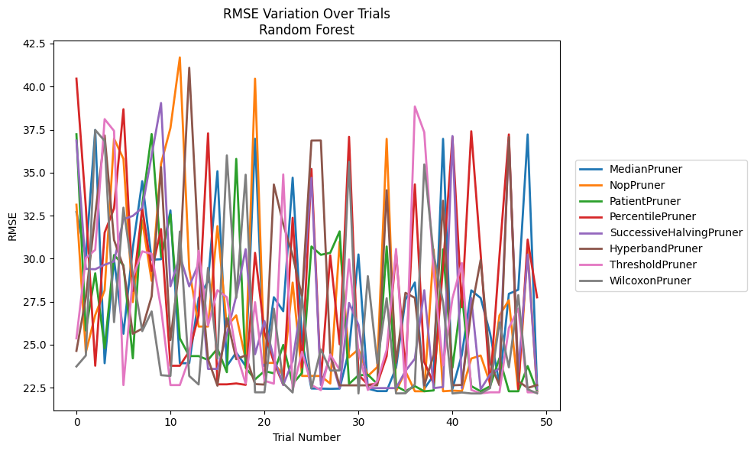
Trial | MedianPruner | NopPruner | PatientPruner | PercentilePruner | SuccessiveHalvingPruner | HyperbandPruner | ThresholdPruner | WilcoxonPruner
1 | 32.703860535 | 33.132177596 | 37.229255118 | 40.459599013 | 36.864740308 | 24.637033892 | 25.36518929 | 23.728879434
2 | 30.132208874 | 24.553307931 | 25.817216723 | 32.99674322 | 29.399641277 | 27.718521962 | 30.023856647 | 24.364993148
3 | 37.475799184 | 26.718738799 | 29.147585942 | 23.771261439 | 29.381537871 | 32.558595599 | 30.512698795 | 37.475799184
4 | 23.918742806 | 28.157748594 | 24.790733963 | 31.508764699 | 29.645921067 | 37.157653734 | 38.10642594 | 36.842118053
5 | 29.94129025 | 36.976169766 | 30.207243907 | 32.917530374 | 29.830765064 | 31.086162465 | 37.42311644 | 26.307777642
6 | 25.630968525 | 35.796300288 | 29.613517822 | 38.683113996 | 32.289730299 | 29.522777409 | 22.648094908 | 32.961052531
7 | 30.631430756 | 27.470183114 | 24.203677337 | 28.116124362 | 32.483987382 | 25.631189274 | 28.900116818 | 29.090214865
8 | 34.497988021 | 32.214096762 | 33.144173094 | 32.947912764 | 32.947912764 | 25.933532875 | 30.422712925 | 25.783893653
9 | 29.930547086 | 28.704488931 | 37.241388875 | 29.277843216 | 35.998358869 | 27.804597201 | 30.277170241 | 26.92691122
10 | 29.965477161 | 35.517862415 | 30.109028762 | 31.717655346 | 39.044953552 | 35.320568394 | 27.123282668 | 23.223166022
11 | 32.800568789 | 37.591779501 | 32.56365538 | 23.771261439 | 28.385234384 | 25.262322393 | 22.648094908 | 23.178616966
12 | 23.918742806 | 41.693779036 | 25.367038413 | 23.771261439 | 30.166982894 | 29.676079624 | 22.649227774 | 31.574878029
13 | 23.918742806 | 29.388319031 | 24.334066682 | 24.611545725 | 28.385234384 | 41.091390871 | 24.200894575 | 23.178616966
14 | 27.693538111 | 26.050022742 | 24.334066682 | 26.694678815 | 29.713591433 | 30.348778626 | 30.456948144 | 22.682246733
15 | 28.694799622 | 26.050022742 | 24.107522976 | 37.278983982 | 23.587964533 | 24.153853987 | 26.107704599 | 29.462441612
16 | 35.077873693 | 31.888028046 | 24.768126345 | 22.691151418 | 23.587964533 | 22.612124889 | 28.167176322 | 24.182867281
17 | 23.753815053 | 26.050022742 | 23.397345191 | 22.691151418 | 25.608358355 | 26.528067072 | 27.756619008 | 35.998358869
18 | 24.542286648 | 26.701984 | 35.79520076 | 22.742880038 | 27.818643234 | 24.153853987 | 24.535565223 | 27.719723917
19 | 23.753815053 | 24.132844144 | 23.658235102 | 22.661134592 | 30.547997322 | 24.377122518 | 22.740963817 | 34.876258504
20 | 36.964984724 | 40.458593949 | 22.978003875 | 30.333068867 | 24.444410024 | 22.705026075 | 27.466912934 | 22.227982982
21 | 23.753815053 | 23.93748093 | 23.464501792 | 25.687269053 | 26.369569047 | 22.677049391 | 22.89967452 | 22.227982982
22 | 27.756295928 | 23.93748093 | 23.332089363 | 23.987921305 | 24.204069432 | 34.305909561 | 22.729818948 | 27.089430458
23 | 26.940918685 | 23.226542783 | 24.982426907 | 22.661134592 | 22.655090409 | 31.997296203 | 34.892525472 | 22.747533765
24 | 34.7032675 | 28.605849082 | 22.716665242 | 32.372361084 | 24.040807516 | 30.19208678 | 22.35327112 | 22.217215614
25 | 25.181578482 | 23.179308715 | 23.35896524 | 23.681525943 | 27.705155904 | 27.769121021 | 24.586294765 | 27.763594746
26 | 22.449884679 | 23.179308715 | 30.704339639 | 35.2118502 | 34.69387728 | 36.860306758 | 22.654004959 | 22.472840709
27 | 22.443177461 | 23.175428193 | 30.219931117 | 22.886785809 | 22.655090409 | 36.865351978 | 22.35327112 | 24.720861852
28 | 22.429187414 | 22.73499366 | 30.337085311 | 30.19208678 | 24.345820978 | 24.429085508 | 24.430241094 | 23.496017238
29 | 22.443137574 | 30.984314842 | 31.582375427 | 25.016393507 | 22.472718023 | 22.633726557 | 23.52671278 | 23.496017238
30 | 24.676494832 | 24.255876563 | 22.716665242 | 37.076774231 | 27.425749536 | 22.633726557 | 29.950434876 | 35.623835672
31 | 30.240883443 | 24.726089611 | 23.218169806 | 23.258948256 | 26.157843793 | 22.633726557 | 24.625582666 | 22.160325395
32 | 22.443177461 | 23.176386939 | 23.25323241 | 22.662434524 | 22.48026347 | 22.633714046 | 22.364126856 | 28.978977318
33 | 22.297367707 | 23.694447448 | 22.716665242 | 22.728710999 | 22.472718023 | 22.63374259 | 22.865003988 | 23.918742806
34 | 22.297367707 | 36.960213137 | 30.704339639 | 24.328213919 | 22.472718023 | 33.974792649 | 24.690130715 | 27.696341873
35 | 23.655714099 | 22.288980922 | 22.587356734 | 30.329776396 | 22.472840709 | 23.946603546 | 30.558744961 | 22.161687248
36 | 27.611292289 | 23.453869657 | 22.297367707 | 23.52671278 | 23.467469019 | 28.011036286 | 22.364126856 | 22.171648417
37 | 28.609727217 | 22.288980922 | 22.587356734 | 34.313278168 | 24.179723592 | 27.719723917 | 38.839618548 | 22.688437931
38 | 22.429187414 | 22.288980922 | 22.287993978 | 23.986714043 | 28.161844222 | 22.624264186 | 37.344074012 | 35.474298191
39 | 23.223166022 | 30.523611302 | 22.335839458 | 22.747533765 | 22.472840709 | 24.39261806 | 29.276014699 | 30.237569217
40 | 36.960267953 | 22.288505952 | 30.540699543 | 29.529761926 | 22.535176617 | 33.361394255 | 23.791643499 | 27.466871868
41 | 22.429187414 | 22.326126244 | 23.655714099 | 37.076774231 | 37.122256668 | 22.635670224 | 27.696341873 | 22.160325395
42 | 24.407677308 | 22.297367707 | 27.953286805 | 27.17471153 | 22.472840709 | 22.656481452 | 29.745762897 | 22.217215614
43 | 28.156157404 | 24.190801963 | 22.587356734 | 37.404084473 | 27.704962974 | 26.957098659 | 22.364126856 | 22.160325395
44 | 27.706921841 | 24.367047991 | 22.287993978 | 30.267669282 | 22.400268526 | 29.924681967 | 22.168050169 | 22.160325395
45 | 25.65771301 | 22.749704467 | 22.579140387 | 22.558224662 | 23.262572641 | 23.938579756 | 22.227982982 | 22.472840709
46 | 22.69085638 | 26.694678815 | 24.215271201 | 30.165641115 | 23.615560223 | 22.633714046 | 22.227982982 | 26.29742701
47 | 27.953375782 | 27.581610738 | 22.287993978 | 37.219765091 | 36.798514207 | 37.068700571 | 25.968332443 | 23.681525943
48 | 28.188199413 | 22.297367707 | 22.287993978 | 22.425858591 | 23.411505524 | 22.877669499 | 27.089430458 | 27.876013123
49 | 37.216827551 | 30.523611302 | 23.75348754 | 31.104898539 | 30.237569217 | 22.484203825 | 22.227982982 | 22.401007287
50 | 22.590591526 | 22.297064862 | 22.297064862 | 27.747063553 | 22.408141333 | 22.648558846 | 22.227982982 | 22.171648417

RMSE_Trials_Gradient Boosting
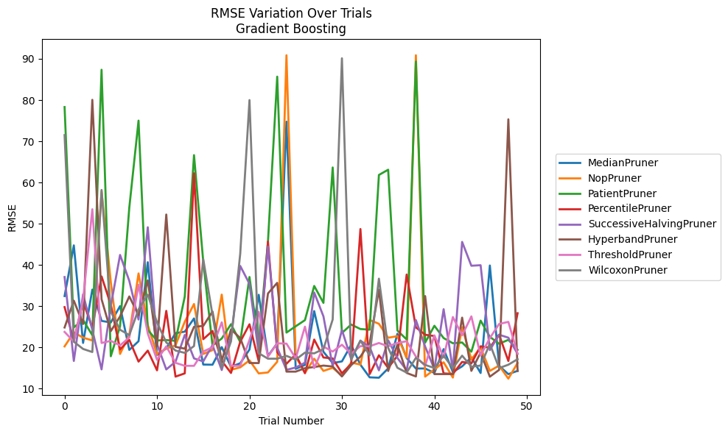
Trial | MedianPruner | NopPruner | PatientPruner | PercentilePruner | SuccessiveHalvingPruner | HyperbandPruner | ThresholdPruner | WilcoxonPruner
1 | 32.468910979 | 20.266512134 | 78.316155924 | 29.795299382 | 37.086500102 | 24.845168064 | 23.775963777 | 71.514644212
2 | 44.767440112 | 23.639865653 | 24.872059473 | 21.678462599 | 16.73296252 | 31.356170321 | 21.424844212 | 21.402468409
3 | 21.100563779 | 22.396590836 | 26.667796993 | 31.170693024 | 32.88996202 | 25.692621262 | 31.541482491 | 19.647833773
4 | 34.04282693 | 21.698417523 | 22.992881832 | 24.772481164 | 24.291279797 | 80.063461351 | 53.530107346 | 18.899880183
5 | 26.444641819 | 57.854384689 | 87.357813838 | 37.237554378 | 14.691664766 | 31.707303834 | 21.097817927 | 58.205730779
6 | 26.069161279 | 35.844092214 | 17.872345788 | 30.374021369 | 30.09729248 | 23.96828844 | 21.617290413 | 28.694206134
7 | 30.035466069 | 18.43138065 | 25.154921 | 19.52433255 | 42.442971803 | 27.518883361 | 20.495757526 | 24.304779887
8 | 19.415969568 | 23.100117557 | 53.917875585 | 21.849554112 | 36.156353448 | 32.38196781 | 22.433463841 | 23.007229401
9 | 21.520819918 | 37.956728943 | 75.02217293 | 16.574027882 | 26.782214421 | 27.855351085 | 35.209637214 | 29.238127607
10 | 40.679769828 | 25.444724121 | 24.20115372 | 19.247556576 | 49.160655799 | 36.272729977 | 23.370792251 | 32.792218993
11 | 18.193197478 | 18.376501114 | 21.702676476 | 14.462354161 | 20.788054379 | 20.306262188 | 17.006326656 | 26.058216606
12 | 19.811657631 | 19.713191894 | 21.798632913 | 28.884885103 | 14.674106997 | 52.249016072 | 20.27265382 | 21.229406723
13 | 23.470242942 | 20.512978465 | 21.615117339 | 12.940102152 | 16.541219747 | 20.151656248 | 16.28284901 | 19.259048051
14 | 23.837019452 | 26.245635458 | 32.35919386 | 13.721899793 | 23.047379461 | 19.71323272 | 15.557521351 | 18.690992292
15 | 27.048268688 | 30.541833387 | 66.648796629 | 62.243869089 | 17.35187696 | 25.00222119 | 15.557521351 | 20.347921139
16 | 15.86010024 | 18.43138065 | 40.826533942 | 22.010646311 | 16.625259048 | 25.230304671 | 19.018309496 | 41.418204581
17 | 15.821493602 | 19.362610946 | 20.47130758 | 24.004046222 | 20.577836007 | 28.729452872 | 20.064523606 | 27.907113972
18 | 20.101251514 | 32.823684558 | 22.177891987 | 16.757350868 | 14.539099701 | 16.785344692 | 26.094714177 | 15.058095424
19 | 15.321569557 | 14.593159327 | 25.645477356 | 13.823193993 | 22.686718002 | 24.356546727 | 15.549264835 | 21.486617401
20 | 16.175496479 | 15.179835847 | 21.333278438 | 21.393689999 | 39.777205848 | 22.306137158 | 15.549264835 | 42.744466969
21 | 19.511493171 | 16.889189724 | 37.097134755 | 25.62841112 | 35.425280358 | 16.235147144 | 21.849554112 | 80.004309009
22 | 32.778845406 | 13.710558653 | 20.874968307 | 16.677564415 | 18.589590894 | 16.221440244 | 28.636108923 | 18.620313378
23 | 17.94734686 | 13.949097131 | 45.675236657 | 45.692064252 | 44.467251633 | 33.100057657 | 17.778658568 | 17.283005471
24 | 21.042825005 | 16.537864989 | 85.681739468 | 18.850384008 | 19.929481267 | 35.682922124 | 21.012633389 | 17.283005471
25 | 74.772570318 | 90.871441425 | 23.617557758 | 16.059508907 | 14.575590697 | 14.146959744 | 20.93855394 | 17.970119927
26 | 14.827753151 | 17.789832669 | 25.1448931 | 18.305360408 | 15.14652485 | 14.146959744 | 17.379157929 | 17.063565854
27 | 15.776979254 | 13.876031117 | 26.633784118 | 13.748083648 | 16.3107015 | 14.977927442 | 25.052704376 | 18.756069741
28 | 28.82134008 | 17.266572363 | 34.926021274 | 21.926757047 | 33.328797855 | 15.265267551 | 14.986771912 | 18.577206048
29 | 18.950227495 | 14.322306277 | 30.822426808 | 17.575274761 | 27.548375554 | 15.612832059 | 20.212027397 | 19.621173197
30 | 16.212247289 | 15.073599901 | 63.660665064 | 17.34243184 | 15.415325431 | 15.393882361 | 19.016996536 | 26.793783319
31 | 16.630213321 | 13.169862331 | 23.519566648 | 13.748083648 | 24.25462173 | 12.97633751 | 20.668421134 | 90.137218178
32 | 20.632968267 | 16.329942768 | 25.565988488 | 15.989030841 | 17.186090116 | 15.717627 | 18.482939169 | 17.015974771
33 | 15.821493602 | 15.863317123 | 24.474694004 | 48.730711283 | 21.650175839 | 17.792899558 | 20.326969004 | 21.672925635
34 | 12.759471394 | 26.669848375 | 24.318522506 | 13.55071161 | 20.1214913 | 21.090012997 | 20.300813618 | 18.083178228
35 | 12.664870431 | 25.743287249 | 61.841597461 | 18.116126613 | 14.458789919 | 34.021759578 | 21.088084148 | 36.691848024
36 | 14.919864313 | 22.357934215 | 63.114115762 | 15.049665634 | 21.73716977 | 14.299489217 | 20.288602251 | 19.916158001
37 | 23.328658065 | 22.755145263 | 24.113569575 | 17.985754022 | 17.473131803 | 20.639843316 | 21.082394688 | 15.080226648
38 | 17.429015608 | 17.509430558 | 21.941475786 | 37.692026321 | 14.458789919 | 13.826688016 | 21.523326583 | 13.914197732
39 | 14.90599054 | 90.871441425 | 89.343139402 | 24.87807669 | 26.643806792 | 12.97633751 | 17.790702633 | 17.484107253
40 | 14.90599054 | 12.938482656 | 21.176444075 | 23.091788045 | 20.225325994 | 32.472107162 | 15.549264835 | 15.776271445
41 | 13.81440707 | 14.659835928 | 25.270718767 | 22.775972358 | 14.747825919 | 13.54609714 | 22.947132881 | 15.025279767
42 | 19.617317398 | 16.408566272 | 22.284872532 | 13.720414724 | 29.286053148 | 13.54609714 | 17.571828383 | 18.016652303
43 | 14.053763063 | 12.699213024 | 21.029534422 | 13.595896311 | 14.539099701 | 13.544124372 | 27.393873131 | 15.025279767
44 | 15.42445247 | 24.926813562 | 21.211877802 | 16.50113115 | 45.606544596 | 27.242945009 | 22.945710181 | 18.018870206
45 | 17.605702204 | 17.090095986 | 18.975318394 | 16.14819385 | 39.824895968 | 14.334484106 | 27.543748021 | 15.341911348
46 | 13.81440707 | 20.042143291 | 26.519882029 | 20.293496934 | 39.956497421 | 18.748524822 | 18.078903914 | 15.617205942
47 | 39.886257493 | 14.322978437 | 22.584538711 | 19.954766884 | 19.37513997 | 12.922168851 | 22.288700783 | 20.873360535
48 | 15.569415709 | 15.616935564 | 20.895207321 | 23.09917908 | 23.09480575 | 14.564838959 | 25.695669514 | 15.010911835
49 | 13.538669364 | 12.445107449 | 21.862029294 | 16.731721603 | 22.382468881 | 75.337887803 | 26.216200946 | 15.82186454
50 | 14.337438411 | 16.238987527 | 19.426053773 | 28.312645177 | 18.444432612 | 14.305351164 | 18.48790241 | 17.167028445

RMSE_Trials_XGBoost
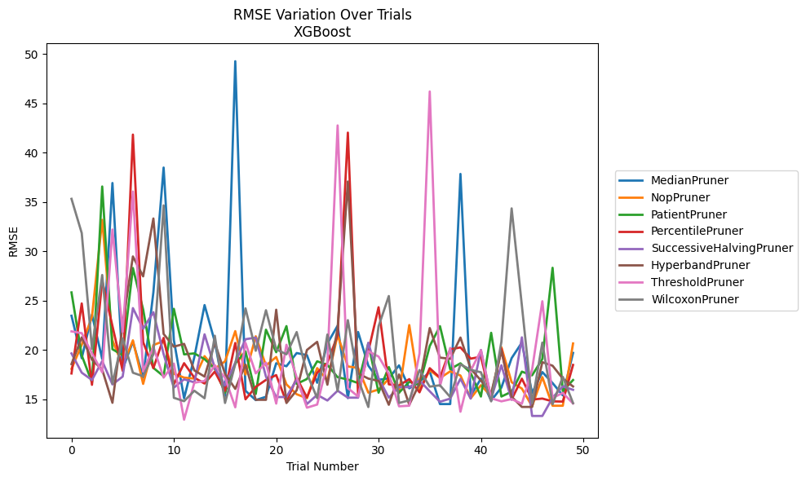
Trial | MedianPruner | NopPruner | PatientPruner | PercentilePruner | SuccessiveHalvingPruner | HyperbandPruner | ThresholdPruner | WilcoxonPruner
1 | 23.457245998 | 18.072222053 | 25.822674603 | 17.602763119 | 19.634499676 | 18.554604145 | 21.87100919 | 35.314636077
2 | 19.149674852 | 20.507661921 | 19.43241081 | 24.703154189 | 17.683501754 | 21.267459831 | 21.691393502 | 31.840264384
3 | 23.575951989 | 23.347157876 | 16.701874616 | 16.450313185 | 16.94078661 | 19.004644424 | 19.652631159 | 20.104786518
4 | 19.065691773 | 33.186963971 | 36.568364564 | 27.007738807 | 18.853999778 | 17.993412491 | 17.72048674 | 27.590033821
5 | 36.922080086 | 20.965806226 | 20.061156189 | 22.413959543 | 16.489795159 | 14.627812505 | 32.202113461 | 16.584994899
6 | 18.056600771 | 18.381991453 | 19.458083719 | 17.867975101 | 17.286943931 | 22.566940957 | 21.805474375 | 21.15234636
7 | 20.830855917 | 20.963442831 | 28.299603892 | 41.83330799 | 24.230801738 | 29.471478106 | 36.055389185 | 17.679563908
8 | 17.195277003 | 16.547129576 | 24.089872926 | 20.775936297 | 22.135382759 | 27.453683688 | 17.793032006 | 17.317572842
9 | 25.835419346 | 20.485564371 | 18.167947739 | 18.14144783 | 23.820729305 | 33.322169028 | 20.287715012 | 19.554479814
10 | 38.490240949 | 20.883349833 | 17.318644148 | 21.211105144 | 19.562766273 | 21.609686401 | 17.182796902 | 34.65142402
11 | 20.992428345 | 17.570312285 | 24.157125146 | 16.500048982 | 16.162376616 | 20.320525321 | 18.603209185 | 15.132620618
12 | 15.085690247 | 17.184583249 | 19.538651501 | 18.644148661 | 17.010746077 | 20.604565864 | 12.917977003 | 14.791526925
13 | 19.246914769 | 17.085278368 | 19.638630738 | 17.171378876 | 16.700026134 | 17.914712446 | 16.66203742 | 15.850539233
14 | 24.538530464 | 19.359558131 | 19.056463916 | 16.582706509 | 21.570952339 | 17.287389634 | 16.843598234 | 15.086739096
15 | 20.822738694 | 18.08350446 | 18.082820413 | 17.790939325 | 18.159215354 | 20.722592963 | 18.438486885 | 21.429616213
16 | 15.318686476 | 18.833885241 | 15.649901447 | 15.839043171 | 16.404672086 | 17.571215414 | 17.166693055 | 14.611202493
17 | 49.274624838 | 21.895992136 | 18.610179434 | 20.695343527 | 18.707628715 | 16.038293486 | 14.170863994 | 18.552982951
18 | 15.84366477 | 17.4956888 | 19.842652812 | 14.979865347 | 21.076716586 | 18.492886031 | 20.705594647 | 24.20419914
19 | 14.902855732 | 21.374282338 | 15.521404427 | 16.245168779 | 21.239579517 | 14.933334331 | 17.612412691 | 19.9046473
20 | 15.237542649 | 18.413536573 | 22.040899347 | 16.948813953 | 17.283175777 | 14.926996005 | 18.699425757 | 24.015372448
21 | 18.640287477 | 19.274076503 | 19.753932928 | 17.435420699 | 15.211778397 | 24.067500293 | 14.547033892 | 20.052460444
22 | 18.334174077 | 16.494892002 | 22.404754835 | 14.698432314 | 15.211778397 | 14.60403227 | 20.511383732 | 19.545631342
23 | 19.674126316 | 15.495415763 | 16.541760099 | 17.166990128 | 16.994785285 | 15.899870794 | 17.205495978 | 21.80023937
24 | 19.463154596 | 15.088267506 | 17.04065779 | 15.167846892 | 14.501578106 | 19.985182426 | 14.131023473 | 17.613484284
25 | 16.660889015 | 18.148331684 | 18.836199445 | 17.669144816 | 15.433242315 | 20.80919673 | 14.44872262 | 15.10524431
26 | 20.640307 | 16.904858186 | 18.471985338 | 18.674607249 | 14.860099335 | 16.460704728 | 18.628456821 | 21.551207917
27 | 22.450303066 | 21.502692941 | 17.224176086 | 21.48993273 | 15.854761088 | 22.202579242 | 42.763424986 | 15.820998372
28 | 15.105092268 | 18.311441317 | 16.984096825 | 42.033977623 | 15.148176621 | 37.075604987 | 16.121694307 | 23.008726605
29 | 21.807973501 | 18.172412284 | 16.632235679 | 15.371815756 | 15.148176621 | 17.5969326 | 15.261765228 | 17.044191706
30 | 18.39324869 | 15.656234643 | 20.673661987 | 19.845235374 | 20.715938511 | 17.082579239 | 19.855569993 | 14.199097442
31 | 16.956046535 | 15.969403286 | 15.654698545 | 24.319024115 | 17.117614468 | 16.846891156 | 19.319463301 | 22.38821847
32 | 17.103857259 | 17.052025996 | 18.256259412 | 16.502521304 | 15.148176621 | 14.425552105 | 17.576428658 | 25.456687432
33 | 18.423607764 | 15.616203088 | 15.654698545 | 16.384711579 | 16.222334012 | 17.499170811 | 14.273253532 | 14.61101995
34 | 16.099382902 | 22.510131792 | 16.756100593 | 17.029645481 | 16.208476036 | 14.425552105 | 14.331549074 | 14.87610565
35 | 16.704204155 | 15.946471944 | 16.442831034 | 15.689281639 | 16.884233682 | 16.584027234 | 19.628050938 | 17.951067609
36 | 17.806865374 | 17.93853726 | 20.389513682 | 18.13651584 | 15.795228487 | 22.207980992 | 46.203082627 | 16.264903497
37 | 14.499236327 | 17.136121038 | 22.401336977 | 17.181539239 | 14.729457728 | 19.208540961 | 16.319052145 | 16.405862284
38 | 14.499236327 | 17.81917554 | 18.043665854 | 20.05152003 | 15.053236459 | 19.088438901 | 20.190427179 | 15.210397171
39 | 37.84273239 | 17.394171557 | 18.631333321 | 20.244820183 | 17.066662372 | 21.246700925 | 13.724894197 | 18.526024447
40 | 15.340138691 | 15.079629726 | 17.653607486 | 19.107022618 | 15.053236459 | 18.082209258 | 17.881636365 | 17.977917439
41 | 17.076241938 | 16.406212597 | 15.263186193 | 19.296832216 | 19.987029041 | 16.890793752 | 19.950254886 | 17.72054767
42 | 14.856184765 | 15.312929265 | 21.727493418 | 14.967519138 | 15.053236459 | 15.58236416 | 15.084152593 | 14.772892739
43 | 16.172259031 | 20.270425042 | 15.263186193 | 20.129852031 | 18.432035897 | 19.897099825 | 14.776058413 | 20.808232999
44 | 19.1582043 | 16.715609318 | 15.751545701 | 14.967519138 | 14.937656368 | 15.24025637 | 15.005860681 | 34.346763032
45 | 20.733423995 | 16.071670128 | 17.786980353 | 17.074508266 | 21.266616549 | 14.207117998 | 14.528862893 | 24.504176444
46 | 15.623166092 | 14.275414039 | 17.415331845 | 14.950595967 | 13.292388668 | 14.207117998 | 17.991286265 | 14.589891199
47 | 17.744911601 | 17.226905073 | 19.068451212 | 15.057262834 | 13.292388668 | 18.746016827 | 24.927729787 | 20.7337316
48 | 16.627360411 | 14.328615184 | 28.322367271 | 14.772649373 | 15.142091973 | 18.389399156 | 15.114545838 | 14.479623807
49 | 15.382005529 | 14.328615184 | 15.823324208 | 14.749741861 | 16.294301118 | 17.08179667 | 15.630036907 | 17.257453191
50 | 19.687382612 | 20.644363127 | 16.936298411 | 18.467798876 | 15.943217711 | 16.284424165 | 14.558505747 | 14.59692909

RMSE_Trials_LightGBM
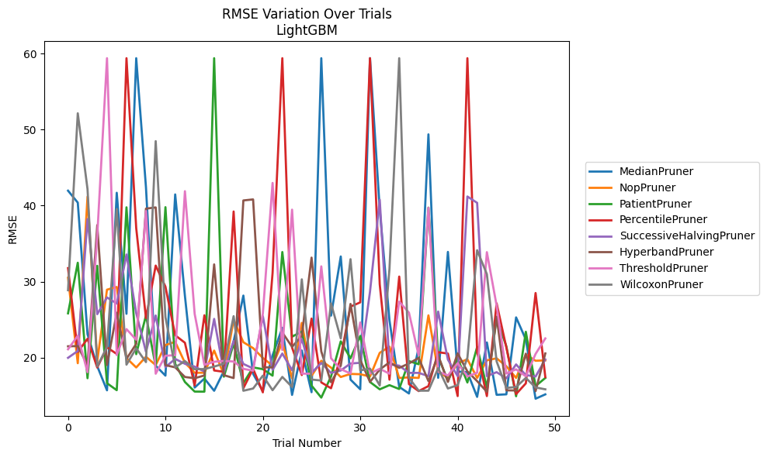
Trial | MedianPruner | NopPruner | PatientPruner | PercentilePruner | SuccessiveHalvingPruner | HyperbandPruner | ThresholdPruner | WilcoxonPruner
1 | 41.956231912 | 30.5099838 | 25.826306015 | 31.774035545 | 19.976280039 | 21.491735903 | 21.101292035 | 28.865221917
2 | 40.388152177 | 19.267119117 | 32.480673722 | 20.745611351 | 20.880144119 | 21.524174281 | 22.878568418 | 52.133824279
3 | 23.083217835 | 41.170267564 | 17.295141637 | 22.484844558 | 38.224813949 | 19.000729442 | 18.091692898 | 42.162438675
4 | 18.868487735 | 19.563004398 | 32.077383601 | 18.699828485 | 25.718545775 | 37.431603837 | 36.046111019 | 18.840254829
5 | 15.703592032 | 28.939176994 | 16.638496965 | 21.354803832 | 27.924499437 | 19.026863493 | 59.381455618 | 21.411621268
6 | 41.68307809 | 29.295445505 | 15.720498683 | 20.483388971 | 27.108173327 | 25.906828267 | 20.342724783 | 39.551016401
7 | 25.766422887 | 19.947397146 | 39.77048131 | 59.381455618 | 33.56553401 | 19.836896965 | 23.752939371 | 19.079898444
8 | 59.381455618 | 18.708636062 | 20.458531908 | 37.022274921 | 25.870317506 | 21.814522861 | 22.354431892 | 21.22898908
9 | 42.416023541 | 20.120451733 | 25.544477817 | 25.195760599 | 20.783536225 | 39.59772168 | 39.282186875 | 19.416181872
10 | 18.938474099 | 19.021344064 | 18.8561517 | 32.107117044 | 25.542914781 | 39.757043335 | 17.886304337 | 48.472283341
11 | 17.632909208 | 21.65399944 | 39.790697075 | 29.333559678 | 18.766026153 | 19.015100451 | 20.250027144 | 25.318242755
12 | 41.46489108 | 22.082267636 | 19.193584729 | 22.943075406 | 19.82901333 | 18.725707404 | 20.327926271 | 18.725716847
13 | 28.119964141 | 19.329835514 | 16.799270199 | 21.957836415 | 19.193343771 | 17.455734282 | 41.889555283 | 19.554865703
14 | 16.06490799 | 18.008656904 | 15.537683778 | 16.341430093 | 18.825399419 | 17.294516868 | 25.753752869 | 18.482376932
15 | 17.249737892 | 18.016389644 | 15.527832536 | 25.574119061 | 18.165752757 | 17.658408736 | 19.061921308 | 18.497218699
16 | 15.643917315 | 20.930334494 | 59.381455618 | 18.313132079 | 25.095522796 | 32.263325169 | 19.461397659 | 18.829480885
17 | 18.234105905 | 17.760602802 | 17.49625899 | 18.138902956 | 18.048833098 | 17.696378794 | 19.569298749 | 19.203254618
18 | 22.137267442 | 24.985124397 | 21.834442405 | 39.221507578 | 22.196484533 | 17.314557201 | 19.492032345 | 25.455167063
19 | 28.163127075 | 22.027547635 | 16.646726942 | 15.974470482 | 19.171880104 | 40.674299802 | 18.530647417 | 15.647146084
20 | 17.870526999 | 21.251334107 | 18.717126488 | 18.53901653 | 18.581563615 | 40.808984294 | 18.280608418 | 15.94015284
21 | 15.596649815 | 19.963072148 | 18.486234624 | 15.437312078 | 25.455591512 | 18.728566293 | 25.784763667 | 17.632485036
22 | 20.314572007 | 18.948897904 | 17.628346386 | 31.13988939 | 18.398888526 | 18.718252164 | 42.975545215 | 15.718955613
23 | 23.923062395 | 22.026804631 | 33.890276279 | 59.381455618 | 20.545361149 | 23.304734537 | 20.997539049 | 17.465864761
24 | 15.099532251 | 17.289209483 | 22.757874162 | 21.321251203 | 18.344516744 | 21.423050943 | 39.463378309 | 16.142538964
25 | 20.945987568 | 24.570048943 | 23.440610385 | 17.716032354 | 22.459579731 | 22.854475086 | 17.892946286 | 30.298620421
26 | 15.455847024 | 17.609028025 | 16.329494288 | 25.138190771 | 17.997343378 | 33.156374646 | 17.892946286 | 17.119867631
27 | 59.381455618 | 19.592429132 | 14.74495713 | 16.746010937 | 19.296627499 | 20.820308305 | 32.006942495 | 16.990979728
28 | 25.522499595 | 18.693415022 | 17.522705799 | 15.974449343 | 17.997343378 | 16.770218709 | 19.921552651 | 27.135643232
29 | 33.305539333 | 17.455598565 | 22.146188931 | 20.073073329 | 18.307423113 | 18.952352137 | 18.483389014 | 22.529802804
30 | 17.112488733 | 17.858631825 | 19.913632358 | 26.713258982 | 19.230894972 | 27.065669823 | 17.920793428 | 32.948896863
31 | 15.842088036 | 17.821401218 | 22.85200517 | 27.270314638 | 19.31790651 | 19.711338744 | 24.629538622 | 18.328880502
32 | 59.381455618 | 17.518585983 | 16.800783181 | 59.381455618 | 28.655715337 | 16.80940395 | 17.920793428 | 18.555644581
33 | 39.550634309 | 20.630992882 | 15.835855653 | 29.652947498 | 40.771363637 | 18.431212718 | 18.535988163 | 16.342967349
34 | 24.910220996 | 21.447818357 | 16.383485405 | 17.100927674 | 19.112841296 | 19.386431255 | 17.887585803 | 31.677234929
35 | 16.152931638 | 17.332821465 | 15.875314724 | 30.663920181 | 18.944927133 | 18.657382349 | 27.367748987 | 59.381455618
36 | 15.28765898 | 17.400600269 | 19.543950472 | 16.518313778 | 17.997343378 | 19.236622335 | 25.916288815 | 17.346821176
37 | 21.354428936 | 17.332821465 | 19.134383357 | 15.602784992 | 17.997343378 | 19.969128156 | 20.262502812 | 15.652668109
38 | 49.365395457 | 25.560238793 | 39.732093718 | 16.256481287 | 17.571071949 | 16.915462336 | 39.711187033 | 15.652668109
39 | 17.343009403 | 18.182057681 | 20.204571632 | 20.713722873 | 26.062005594 | 20.289121875 | 18.170443946 | 18.622830466
40 | 33.906267882 | 17.332821465 | 16.903149522 | 20.540922559 | 19.740697363 | 16.80940395 | 17.658574987 | 15.940748482
41 | 18.174866762 | 19.241723598 | 19.922177776 | 14.945415562 | 17.571071949 | 20.559981661 | 19.279002674 | 16.392107956
42 | 18.085828766 | 19.793834502 | 16.734109881 | 59.381455618 | 41.193619514 | 18.195926311 | 17.5203247 | 19.985583101
43 | 14.844456642 | 17.332821465 | 21.407892144 | 20.760820482 | 40.359144533 | 16.915462336 | 18.021650735 | 34.12905634
44 | 21.998712213 | 19.647142038 | 16.087110631 | 14.945415562 | 17.571071949 | 15.508551166 | 33.874572034 | 30.980514395
45 | 15.112328797 | 19.913951528 | 25.146965727 | 27.14142047 | 18.091692898 | 25.386203571 | 26.85514466 | 19.512214003
46 | 15.176095677 | 18.867224511 | 21.495670666 | 21.333096746 | 17.283093183 | 15.697597657 | 17.912722737 | 16.019648332
47 | 25.293792521 | 17.332821465 | 14.922607287 | 15.207746816 | 19.109084006 | 15.686191786 | 18.463575302 | 16.138840999
48 | 22.386654109 | 20.413572508 | 23.401420968 | 16.618865044 | 17.711039513 | 20.521185453 | 17.540606817 | 17.33290539
49 | 14.600456883 | 19.590768273 | 16.267804032 | 28.498899465 | 17.518141029 | 15.596416346 | 20.490986337 | 16.081444602
50 | 15.170573586 | 19.645733345 | 17.328845199 | 17.448532529 | 19.763649361 | 20.556113649 | 22.527172379 | 15.834921612

RMSE_Trials_GPBoost
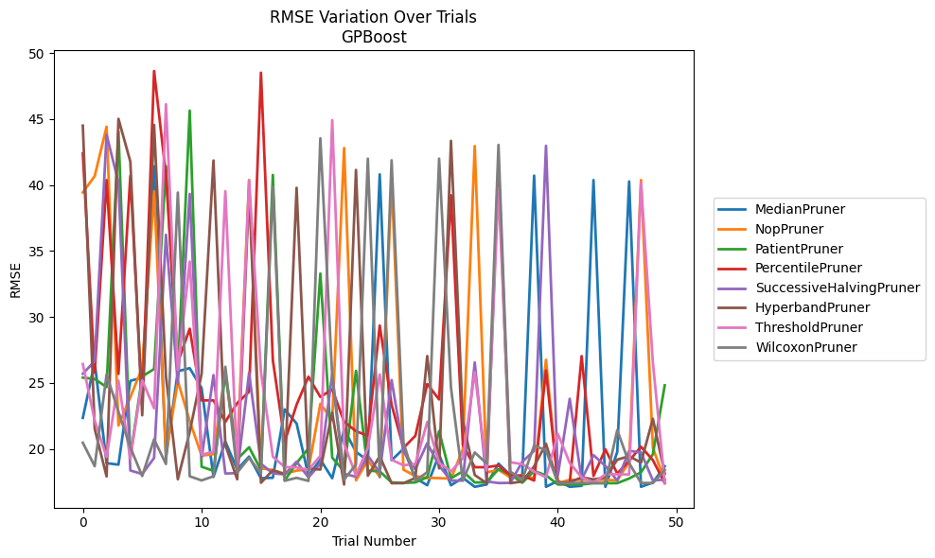
Trial | MedianPruner | NopPruner | PatientPruner | PercentilePruner | SuccessiveHalvingPruner | HyperbandPruner | ThresholdPruner | WilcoxonPruner
1 | 22.344503117 | 39.441540528 | 25.397640418 | 42.391407731 | 25.693215187 | 44.506175786 | 26.428965383 | 20.461497099
2 | 26.56474301 | 40.679412437 | 25.291491593 | 25.769499509 | 26.643235884 | 21.517623658 | 22.140172852 | 18.681467579
3 | 18.912599627 | 44.421580804 | 24.681185625 | 40.37710676 | 43.818067752 | 17.904937463 | 19.380741623 | 25.638280117
4 | 18.798003314 | 21.768724212 | 44.059669823 | 25.678381122 | 40.203035622 | 45.022173971 | 25.162201404 | 22.812675222
5 | 25.155585284 | 23.906773722 | 19.39170357 | 40.696795802 | 18.359696407 | 41.7817774 | 19.242140519 | 20.112801331
6 | 25.388937119 | 26.153870487 | 25.494188501 | 23.332759859 | 18.086610889 | 22.539635084 | 25.197095419 | 17.935722431
7 | 41.424024088 | 39.527638272 | 26.048187989 | 48.644632616 | 19.305017461 | 44.558379127 | 23.077217593 | 20.718947663
8 | 19.315154267 | 19.593771201 | 41.433296187 | 40.771342448 | 36.232975852 | 25.468449164 | 46.128653065 | 18.847217184
9 | 25.880848305 | 25.128592143 | 25.64968368 | 26.548321133 | 24.915191809 | 17.68852474 | 25.986812665 | 39.434289989
10 | 26.115108208 | 22.113255217 | 45.645425849 | 29.102502925 | 39.329921907 | 21.278075454 | 34.198525962 | 17.916121257
11 | 24.608532774 | 19.487186576 | 18.643275311 | 23.672427238 | 19.286474945 | 25.676005063 | 19.556900089 | 17.603497638
12 | 17.868069764 | 19.593771201 | 18.328742346 | 23.672427238 | 25.590718415 | 41.861372294 | 19.768595184 | 17.916121257
13 | 20.548657474 | 25.900342484 | 25.708978231 | 22.048266702 | 18.128255118 | 20.29562181 | 39.529742577 | 26.222835792
14 | 18.431405303 | 19.648532698 | 19.210858465 | 23.462095503 | 18.154847445 | 17.68852474 | 18.588716448 | 18.201119794
15 | 19.412179586 | 40.386084627 | 20.120379448 | 24.332517455 | 25.763696585 | 39.699857299 | 40.3534663 | 19.312688797
16 | 17.769347791 | 18.525824395 | 18.392670816 | 48.518459749 | 18.866500264 | 17.422029371 | 25.814764533 | 18.128255118
17 | 17.802454669 | 18.393184288 | 40.765628983 | 26.718754522 | 18.136089682 | 18.383725954 | 19.407008284 | 39.860030662
18 | 22.986858088 | 18.106754996 | 17.601548266 | 20.532844406 | 18.065404543 | 18.054101272 | 18.617133455 | 17.577879419
19 | 21.91861409 | 18.349991074 | 18.919919171 | 23.346815911 | 19.023896801 | 39.791722005 | 18.588716448 | 17.798176634
20 | 17.950418401 | 18.42817944 | 20.035151846 | 25.465863384 | 17.828889141 | 18.514092315 | 18.402146487 | 17.565879134
21 | 19.182895003 | 23.416913684 | 33.286948887 | 23.930568425 | 18.868430777 | 18.422836831 | 19.46807887 | 43.545823723
22 | 17.767668272 | 22.202654038 | 19.327418499 | 24.514389301 | 25.650426344 | 22.742507625 | 44.925332935 | 25.494598779
23 | 21.477965021 | 42.806940465 | 18.291868864 | 22.053874366 | 18.098501782 | 17.290704658 | 20.376084928 | 17.661363233
24 | 19.768595184 | 17.61729916 | 25.915097967 | 21.338260787 | 17.884607946 | 41.143771148 | 17.985691992 | 18.819266126
25 | 19.109171951 | 19.125738792 | 18.34911358 | 20.986538181 | 19.486811687 | 17.95603487 | 20.070162985 | 42.003215934
26 | 40.81142908 | 17.882353843 | 18.291868864 | 29.345564679 | 18.193778875 | 19.443448068 | 25.641626014 | 17.849617443
27 | 19.125724919 | 40.390972296 | 17.452122196 | 23.333982305 | 25.215990706 | 17.392180777 | 19.168117774 | 41.877821834
28 | 20.005006309 | 18.417776888 | 17.415778394 | 20.066167116 | 19.80437911 | 17.392180777 | 18.751563047 | 20.484035623
29 | 17.789644254 | 17.932545693 | 17.452122196 | 20.986538181 | 18.452214953 | 17.788930321 | 18.851190259 | 17.577879419
30 | 17.236384683 | 17.79852178 | 17.841529292 | 24.914665067 | 20.430255122 | 27.033796358 | 22.030726418 | 18.230681122
31 | 19.564970791 | 17.777322017 | 21.348416271 | 23.741087363 | 18.721233216 | 18.516546774 | 18.938267713 | 42.003215934
32 | 17.236384683 | 17.735309643 | 17.767884838 | 39.224210316 | 17.591215352 | 43.353852948 | 18.276208727 | 24.624957148
33 | 17.801947671 | 19.965349254 | 18.293764362 | 20.291673465 | 17.591215352 | 22.098087081 | 19.285981389 | 17.603497638
34 | 17.117538526 | 42.960337698 | 17.452122196 | 18.604208328 | 26.548321133 | 18.016223554 | 25.82476771 | 19.723224903
35 | 17.296222479 | 18.208051643 | 17.452122196 | 18.604208328 | 17.525762038 | 17.392180777 | 18.354269034 | 18.890135204
36 | 18.876803418 | 18.414844231 | 18.459243916 | 18.73802112 | 17.405534036 | 41.660725161 | 39.76923344 | 43.04525907
37 | 18.003509359 | 17.828165837 | 18.055418606 | 17.977070458 | 17.417019841 | 17.392180777 | 18.980939034 | 18.268491916
38 | 17.882353843 | 17.98608224 | 17.429154341 | 17.977070458 | 19.015841546 | 17.524160113 | 18.840149926 | 17.660168565
39 | 40.71526887 | 17.777322017 | 18.318326097 | 17.593597088 | 19.842195714 | 18.666493463 | 18.276208727 | 20.24819808
40 | 17.117538526 | 26.750455511 | 17.992138948 | 25.939185853 | 42.975621899 | 20.384066947 | 17.839907317 | 19.885392877
41 | 17.569348556 | 17.405534036 | 17.293686836 | 17.391202648 | 17.98608224 | 17.413759674 | 21.129960207 | 17.398200194
42 | 17.117538526 | 17.649060844 | 17.293686836 | 17.391202648 | 23.794754528 | 17.457842223 | 18.932979246 | 17.398200194
43 | 17.195411256 | 17.649060844 | 17.293686836 | 27.031282183 | 17.667474456 | 17.840589696 | 17.839907317 | 17.415712486
44 | 40.37710676 | 17.649060844 | 17.396917471 | 17.942518329 | 19.518997077 | 17.680173768 | 17.439027264 | 17.398200194
45 | 17.117538526 | 17.649060844 | 17.394745768 | 19.96130186 | 18.698888649 | 17.827954267 | 18.050248549 | 17.398200194
46 | 19.766964604 | 17.601635053 | 17.394745768 | 18.122252319 | 17.591215352 | 19.175215822 | 18.068920042 | 21.416757984
47 | 40.275091408 | 19.007510475 | 17.748082541 | 19.090574525 | 19.842324697 | 19.444587686 | 18.050248549 | 18.914469689
48 | 17.117538526 | 40.380207291 | 18.216140379 | 20.156771229 | 19.726042266 | 18.9530837 | 40.17251962 | 17.415712486
49 | 17.443437686 | 20.07664236 | 19.592916981 | 19.143209593 | 17.601956733 | 22.2776587 | 26.538215562 | 17.398200194
50 | 18.674224597 | 17.563016065 | 24.81191323 | 17.391202648 | 17.659542513 | 18.116248233 | 17.426732605 | 18.403065635

RMSE_Trials_CatBoost
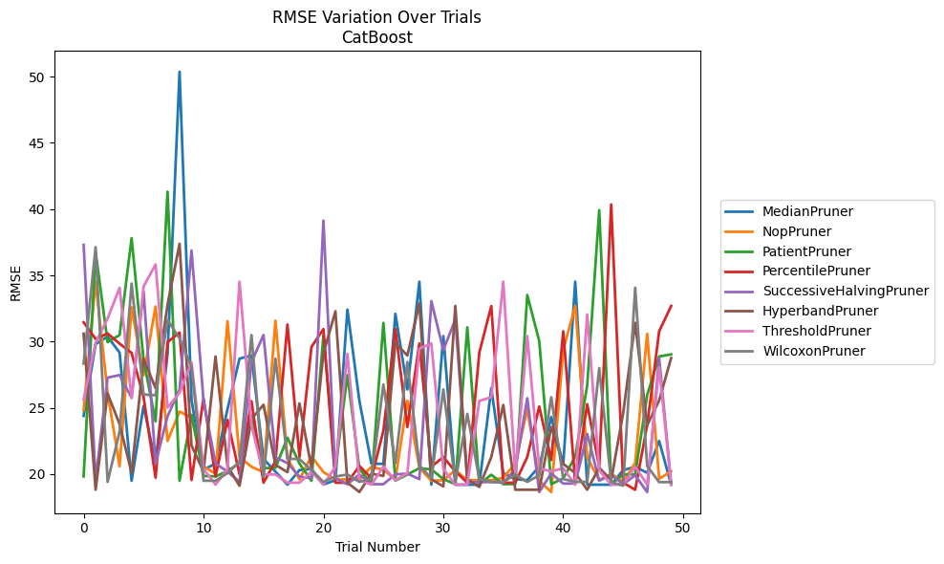
Trial | MedianPruner | NopPruner | PatientPruner | PercentilePruner | SuccessiveHalvingPruner | HyperbandPruner | ThresholdPruner | WilcoxonPruner
1 | 24.389288041 | 24.820280776 | 19.821099108 | 31.453730979 | 37.303143853 | 30.599332247 | 25.604521751 | 28.339964932
2 | 29.808333072 | 34.522067191 | 36.760568897 | 30.19917722 | 19.532387993 | 18.815968938 | 29.920252561 | 37.132853636
3 | 30.37541052 | 26.14186052 | 29.954580298 | 30.608890674 | 27.280706913 | 26.074856169 | 31.739648815 | 19.407678308
4 | 29.171100962 | 20.580599509 | 30.494518766 | 29.844386606 | 27.470327198 | 23.767964106 | 34.06484204 | 23.200637396
5 | 19.493306524 | 32.587288997 | 37.809004161 | 29.144124916 | 25.765591457 | 20.108041573 | 25.737214974 | 34.380605634
6 | 25.146516093 | 27.453841314 | 28.617913027 | 25.816855994 | 33.786649949 | 28.711701893 | 34.152495215 | 26.008472727
7 | 20.835661871 | 32.650169075 | 23.980214557 | 19.722614284 | 20.804056242 | 26.481389237 | 35.825938879 | 25.946249473
8 | 29.075415176 | 22.498439707 | 41.317076417 | 29.964214999 | 24.361658261 | 32.802138838 | 25.016227017 | 31.6271774
9 | 50.368304399 | 24.715824451 | 19.490993537 | 30.681385179 | 26.379001667 | 37.385827473 | 26.14186052 | 30.243043221
10 | 25.561769827 | 24.259658694 | 24.46681957 | 19.544153117 | 36.877164665 | 22.137591041 | 28.424017259 | 28.081699851
11 | 20.336201244 | 20.580599509 | 19.861664807 | 25.709894186 | 25.539879992 | 20.196560678 | 20.379661057 | 19.493306524
12 | 20.783419337 | 20.012169756 | 19.821099108 | 19.821099108 | 20.804056242 | 28.875767087 | 19.196936655 | 19.493306524
13 | 24.906550818 | 31.538587577 | 20.222504479 | 24.085242551 | 20.181302279 | 20.604391913 | 20.379661057 | 20.071498049
14 | 28.711746499 | 21.285067143 | 20.834784817 | 19.981912464 | 19.407678308 | 19.112419443 | 34.521442545 | 20.914593803
15 | 28.95238137 | 20.547528217 | 24.437150909 | 25.495262201 | 28.453416856 | 24.15196849 | 23.679821302 | 30.494570721
16 | 21.148703596 | 20.141389498 | 20.441410299 | 19.346633228 | 30.49434398 | 25.231179711 | 19.966767054 | 19.770469808
17 | 20.181302279 | 31.576386475 | 20.474596039 | 20.969925507 | 21.259560982 | 20.696364832 | 19.966767054 | 28.711746499
18 | 19.196890201 | 21.16626699 | 22.742212117 | 31.294026097 | 20.835661871 | 20.141389498 | 19.346633228 | 21.148703596
19 | 20.296583085 | 19.59625397 | 20.792928145 | 21.285067143 | 19.809637453 | 25.333667847 | 19.346633228 | 21.128973312
20 | 20.37966371 | 21.342037155 | 19.490993537 | 29.591423228 | 19.677509585 | 20.474596039 | 20.181302279 | 20.296583085
21 | 19.21393513 | 20.146733749 | 30.481636108 | 30.945373396 | 39.138571349 | 29.117303559 | 19.196890201 | 19.407678308
22 | 19.530366103 | 19.59625397 | 20.37966371 | 19.346633228 | 19.677509585 | 32.28882518 | 20.547528217 | 19.809637453
23 | 32.416438365 | 19.59625397 | 27.470327198 | 19.346633228 | 19.231183593 | 19.348761443 | 29.068909013 | 19.966767054
24 | 25.520231006 | 19.59625397 | 20.409421904 | 20.614553272 | 19.967574813 | 18.639820311 | 19.560893627 | 19.407678308
25 | 20.787428703 | 20.548172211 | 19.238085482 | 19.680287855 | 19.231183593 | 20.026100544 | 19.196890201 | 19.638230852
26 | 20.762892652 | 20.319489413 | 31.413868228 | 23.264396782 | 19.231183593 | 19.861664807 | 20.549525491 | 26.76122093
27 | 32.102148371 | 19.59625397 | 19.501906001 | 30.956323815 | 19.979928752 | 29.900954299 | 19.530366103 | 20.835213989
28 | 26.388902111 | 25.532008431 | 19.966767054 | 23.549326989 | 20.030860353 | 28.949407741 | 20.071524242 | 28.463353366
29 | 34.522067191 | 20.474596039 | 20.43938313 | 29.857451546 | 19.615134192 | 32.876454396 | 29.460223084 | 20.657352456
30 | 19.196936655 | 19.493410384 | 20.355172389 | 20.548172211 | 33.05536388 | 19.615134192 | 29.86036001 | 19.677509585
31 | 30.411737927 | 19.533699682 | 19.615134192 | 21.285067143 | 29.359905354 | 19.059008514 | 20.37966371 | 26.388902111
32 | 19.196936655 | 20.296583085 | 19.238085482 | 20.196560678 | 31.671193177 | 32.687756404 | 19.196936655 | 19.407678308
33 | 19.196936655 | 19.533699682 | 31.081069733 | 19.346633228 | 19.39034583 | 19.607811371 | 19.196936655 | 24.543121334
34 | 19.196936655 | 19.533699682 | 19.238085482 | 29.172323278 | 19.39034583 | 19.025496576 | 25.519408537 | 19.621067076
35 | 26.4807134 | 19.533699682 | 19.945967489 | 32.680572889 | 19.39644999 | 21.285067143 | 25.800914774 | 19.407678308
36 | 20.071524242 | 19.722614284 | 19.238085482 | 19.346633228 | 19.348761443 | 25.21386314 | 34.521442545 | 19.407998694
37 | 19.621067076 | 20.783419337 | 19.238085482 | 19.346633228 | 20.355172389 | 18.815968938 | 20.004456745 | 19.955374262
38 | 19.532387993 | 24.916541183 | 33.518010654 | 21.285067143 | 25.727319874 | 18.815968938 | 30.411737927 | 19.407998694
39 | 20.580599509 | 19.495414614 | 30.038428158 | 25.098927724 | 18.639820311 | 18.815968938 | 20.439396986 | 19.907966665
40 | 24.309103655 | 18.639820311 | 19.238085482 | 21.061092347 | 20.050435377 | 23.549326989 | 20.196560678 | 25.79824473
41 | 20.70964757 | 29.359905354 | 19.677509585 | 30.775118074 | 19.282883809 | 20.762892652 | 20.43938313 | 19.621067076
42 | 34.521442545 | 32.687756404 | 21.308098451 | 19.346633228 | 19.282883809 | 20.081730365 | 19.196890201 | 19.407678308
43 | 19.196936655 | 21.257123985 | 26.709276257 | 25.273276265 | 23.026098946 | 18.815968938 | 32.048277659 | 19.407678308
44 | 19.196936655 | 19.533699682 | 39.925343811 | 20.548172211 | 19.495414614 | 20.474596039 | 20.296583085 | 28.003110899
45 | 19.196936655 | 20.026100544 | 19.238085482 | 40.35180623 | 19.945967489 | 19.544153117 | 19.196890201 | 19.39034583
46 | 20.296583085 | 19.407998694 | 19.966767054 | 19.346633228 | 19.231183593 | 24.612312884 | 19.196890201 | 19.12581663
47 | 20.548172211 | 20.835661871 | 19.966767054 | 18.815968938 | 19.904863616 | 31.411613338 | 20.549525491 | 34.06484204
48 | 20.092384423 | 30.580304157 | 25.967595444 | 23.688070107 | 18.639820311 | 23.688070107 | 19.21393513 | 20.601286194
49 | 22.498439707 | 19.638230852 | 28.875767087 | 30.775118074 | 28.739549811 | 25.554413398 | 28.078518705 | 19.39034583
50 | 19.196936655 | 20.206818287 | 29.034794871 | 32.690780661 | 19.282883809 | 28.760024425 | 19.196890201 | 19.39034583

RMSE_Trials_NGBoost
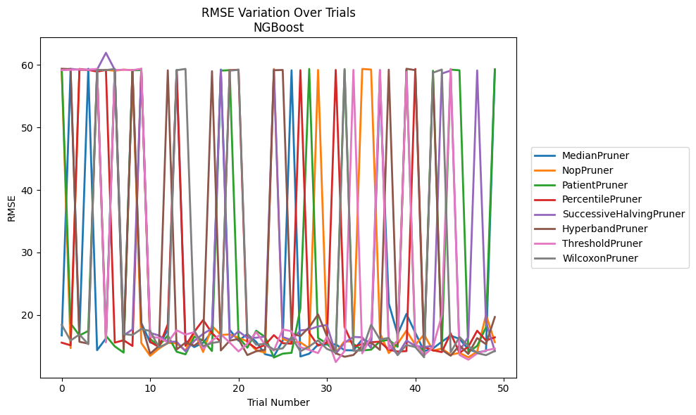
Trial | MedianPruner | NopPruner | PatientPruner | PercentilePruner | SuccessiveHalvingPruner | HyperbandPruner | ThresholdPruner | WilcoxonPruner
1 | 16.748745614 | 59.014690184 | 59.218488065 | 15.589276919 | 59.129158314 | 59.36595587 | 59.150431358 | 18.437504947
2 | 59.111215929 | 14.715556557 | 18.670124183 | 15.172157873 | 59.365346524 | 59.299366235 | 59.19389915 | 15.93128044
3 | 16.648380781 | 59.181227458 | 16.746530981 | 59.331047514 | 59.202793548 | 15.731408158 | 59.264436332 | 16.895208549
4 | 59.36200855 | 59.15945196 | 17.456135987 | 59.176798084 | 59.224333317 | 15.438591393 | 59.191365554 | 15.347325729
5 | 14.390603135 | 59.167769422 | 59.176593514 | 58.916102212 | 59.228036836 | 59.2824218 | 59.346235874 | 59.18198156
6 | 16.272084116 | 59.188453255 | 16.694779557 | 59.165068436 | 61.910576689 | 15.88504885 | 15.628021718 | 59.158475515
7 | 59.315962466 | 59.051650614 | 14.998961508 | 15.595280371 | 59.190998013 | 59.146724927 | 59.16998628 | 59.3266311
8 | 14.996456012 | 59.228884509 | 13.998052324 | 15.978092263 | 16.734951475 | 14.641125082 | 59.209710837 | 16.966498557
9 | 59.113727046 | 59.139485472 | 59.114854313 | 15.06339876 | 17.705960185 | 59.173512475 | 59.142711576 | 16.808620039
10 | 18.747419177 | 15.540256934 | 59.158389738 | 59.362063952 | 59.221647807 | 18.724613521 | 59.35971645 | 17.777990105
11 | 15.63783675 | 13.478999788 | 16.171064933 | 15.73085631 | 17.146791482 | 13.836983279 | 16.525865442 | 17.447844663
12 | 15.202403112 | 14.640452184 | 15.090243446 | 14.893362011 | 16.741393202 | 15.056284153 | 16.364853204 | 14.836846591
13 | 17.631705488 | 15.559472503 | 16.729637484 | 18.534607272 | 15.728927571 | 59.118632511 | 15.649096151 | 15.498636662
14 | 59.175490638 | 15.484607008 | 14.143470363 | 59.072059256 | 15.748950991 | 14.51088858 | 17.564234061 | 59.13370222
15 | 15.899384418 | 14.331603482 | 13.722445327 | 15.082281068 | 14.210688043 | 15.585039726 | 16.880481062 | 59.337439557
16 | 14.887580872 | 17.247761357 | 16.556724313 | 17.332361279 | 15.87404791 | 15.123475608 | 17.27948557 | 17.508796253
17 | 15.580021787 | 14.098183652 | 15.942110167 | 19.212046553 | 17.004117575 | 16.167486059 | 14.585194338 | 15.027835151
18 | 17.332129834 | 18.254684171 | 14.252986839 | 17.127819639 | 17.844424292 | 58.976358278 | 15.92500545 | 15.536125366
19 | 59.239363631 | 16.817455756 | 59.068998501 | 15.680630213 | 59.161079571 | 14.348122892 | 16.938839463 | 15.764873964
20 | 17.636873785 | 16.911222405 | 59.141064126 | 59.139112408 | 16.166835406 | 15.903499645 | 15.618056511 | 59.065174303
21 | 15.897569392 | 16.379093109 | 16.447790116 | 59.213398779 | 17.399823487 | 16.172106723 | 14.186837022 | 59.199855799
22 | 16.956472253 | 15.79247773 | 14.784560898 | 15.673460549 | 16.375904332 | 13.605962534 | 15.414609834 | 16.971771626
23 | 15.718478249 | 14.375442258 | 17.502294872 | 14.666173655 | 16.377659691 | 14.216326474 | 17.291070015 | 15.262635507
24 | 13.754623866 | 13.994704706 | 16.507055033 | 15.220330672 | 16.557868487 | 14.458770266 | 15.260943961 | 15.409792308
25 | 13.410209737 | 59.338216849 | 13.210623693 | 16.787493969 | 59.189591057 | 59.130889652 | 14.317392287 | 14.469972313
26 | 15.884873219 | 16.172938715 | 13.831586775 | 15.511492999 | 16.482572229 | 59.175060474 | 17.699026503 | 14.67755604
27 | 59.11951956 | 15.708549046 | 13.970817738 | 15.426254309 | 16.00521841 | 17.071957306 | 17.420346048 | 16.483189518
28 | 13.382493027 | 15.641771359 | 21.081705057 | 59.141476436 | 17.544766069 | 16.63335719 | 14.861431967 | 14.195359198
29 | 13.824146126 | 14.699194337 | 59.329902215 | 17.173989578 | 17.698061389 | 18.05891677 | 14.434520975 | 15.000877146
30 | 15.276225188 | 59.179853416 | 16.354610121 | 15.12112325 | 18.181332822 | 20.105898433 | 13.926729328 | 15.955578622
31 | 15.292925982 | 16.336852739 | 15.404173882 | 15.574629746 | 18.410676614 | 16.661229124 | 16.493808278 | 14.599232717
32 | 15.315750799 | 13.962004307 | 14.044363086 | 59.172625589 | 13.829608962 | 13.894539383 | 12.4893897 | 14.028331829
33 | 14.384920955 | 15.843254822 | 59.2073054 | 18.084559619 | 15.567370074 | 13.338336611 | 14.252438511 | 59.318516717
34 | 14.361557148 | 15.710437224 | 15.411499409 | 14.952843598 | 16.510872016 | 13.619750349 | 59.183808357 | 14.294452781
35 | 16.117444244 | 59.333839347 | 14.351039203 | 15.369257208 | 16.441330467 | 15.078282694 | 13.879625005 | 14.358669041
36 | 15.603765164 | 59.239604059 | 14.466691598 | 15.659109843 | 14.737731808 | 15.592791796 | 16.567158164 | 18.461037682
37 | 56.601094525 | 17.097705811 | 15.795294712 | 15.745389179 | 59.162812172 | 14.437027076 | 59.1136783 | 16.096207996
38 | 21.859712547 | 13.921227336 | 16.051683589 | 14.462108955 | 15.329854646 | 59.214543004 | 14.565926671 | 16.350145217
39 | 16.923039092 | 15.415141046 | 14.920831326 | 14.180059305 | 13.671110487 | 15.183305311 | 15.916839815 | 13.591317306
40 | 20.178697757 | 17.519400867 | 59.17898321 | 14.240464931 | 15.935712696 | 59.364824208 | 58.872757288 | 15.229771564
41 | 17.178088379 | 15.247635461 | 15.291648281 | 59.337069671 | 15.064937544 | 59.142879183 | 15.535761178 | 14.885415548
42 | 14.227295077 | 16.897452921 | 14.245989731 | 14.876862522 | 14.894389526 | 13.732743296 | 13.585135452 | 13.257355538
43 | 14.668738977 | 14.307964454 | 59.051241497 | 14.372591927 | 15.059586276 | 58.319628561 | 14.870834103 | 58.739979335
44 | 15.736308626 | 14.65768582 | 14.604098968 | 14.083091875 | 58.597392176 | 14.447698993 | 20.00109822 | 59.238222255
45 | 16.722048552 | 13.657023289 | 59.232358299 | 17.073993594 | 59.068836542 | 13.500363626 | 59.337279746 | 14.044934791
46 | 16.185128641 | 13.957071281 | 59.118210631 | 13.958929809 | 14.252781369 | 15.145133489 | 13.637654927 | 16.507029884
47 | 14.550702842 | 13.247711226 | 14.083007169 | 14.929983771 | 16.504203032 | 13.784411495 | 12.867490385 | 15.073070814
48 | 14.043405179 | 14.16252067 | 15.072748891 | 17.496351118 | 59.099836328 | 16.321349081 | 13.873931601 | 13.923405682
49 | 14.259639376 | 20.034561822 | 18.03880066 | 15.947751386 | 18.915075126 | 15.34833724 | 14.356188605 | 13.591515421
50 | 59.219193808 | 15.665609579 | 59.268715541 | 16.439304042 | 14.240774572 | 19.690881074 | 14.6475818 | 14.273661862

RMSE_Trials_TabNet
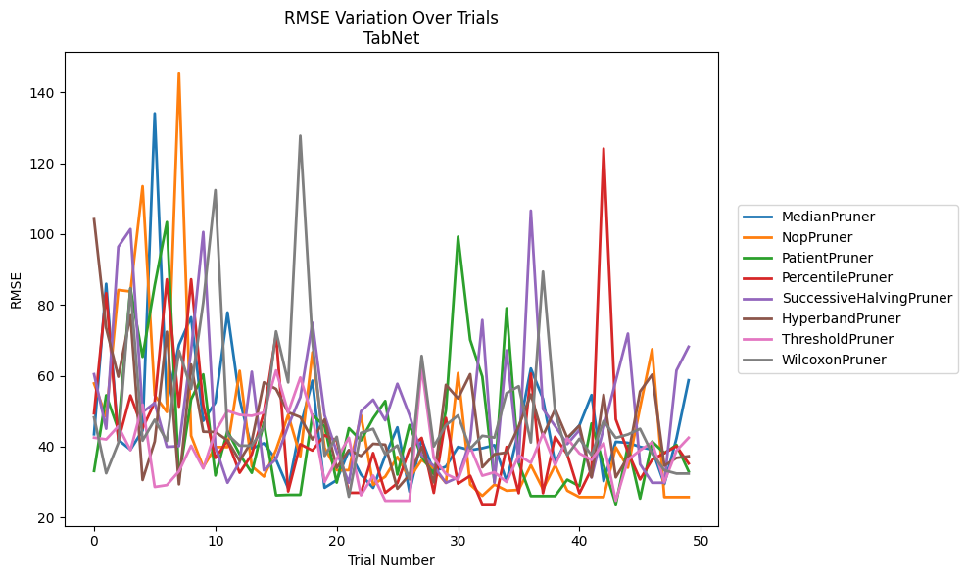
Trial | MedianPruner | NopPruner | PatientPruner | PercentilePruner | SuccessiveHalvingPruner | HyperbandPruner | ThresholdPruner | WilcoxonPruner
1 | 43.460565163 | 57.817325023 | 33.104879146 | 49.369484397 | 60.416460927 | 104.1939814 | 42.504326922 | 48.222762711
2 | 85.951622609 | 48.440513648 | 54.464028476 | 83.293534451 | 45.029793605 | 73.411408077 | 42.015765974 | 32.453091431
3 | 41.88574034 | 84.212018495 | 44.806508798 | 41.650298177 | 96.412934764 | 59.711576761 | 45.728555806 | 41.005158793
4 | 39.115419435 | 83.794022189 | 84.652867472 | 54.410633552 | 101.4146042 | 77.07503051 | 38.945696081 | 84.695042683
5 | 44.562776428 | 113.52100137 | 65.328178819 | 45.130201093 | 49.693478613 | 30.553784721 | 51.845038357 | 41.658540025
6 | 134.09290601 | 54.442100117 | 85.533225326 | 52.493725461 | 52.317818165 | 41.435260135 | 28.586058308 | 47.569605728
7 | 52.085791641 | 49.754218541 | 103.38098523 | 87.21274636 | 39.905796207 | 72.407766734 | 29.101912427 | 41.590927235
8 | 68.72446679 | 145.32429894 | 31.017020433 | 51.241670807 | 40.117405185 | 29.332398011 | 33.009233903 | 67.084429218
9 | 76.487973132 | 43.032327479 | 53.318993806 | 87.218830067 | 67.084429218 | 63.146700513 | 40.234214576 | 56.283075941
10 | 47.256327638 | 34.181077097 | 60.367937654 | 51.758435714 | 100.59212101 | 44.184837436 | 33.795206998 | 80.670148167
11 | 52.451477414 | 39.836220978 | 31.820251903 | 36.772136624 | 39.905796207 | 44.105952685 | 44.231618304 | 112.42339438
12 | 77.857355024 | 39.836220978 | 44.357677215 | 41.650298177 | 29.769285309 | 41.738990475 | 50.060803998 | 43.401243719
13 | 53.312546142 | 61.366356269 | 37.819766135 | 32.589310203 | 35.551572733 | 35.961494815 | 48.941834586 | 40.244935105
14 | 39.424824014 | 34.439344845 | 32.567293618 | 37.73301919 | 61.118816693 | 41.539849269 | 48.677738269 | 40.244935105
15 | 40.91486592 | 31.516808786 | 46.813132937 | 49.593508618 | 33.276255582 | 58.128942187 | 49.610639509 | 45.364176661
16 | 36.31013019 | 39.03503949 | 26.229466641 | 71.532293825 | 36.468389086 | 56.244687818 | 61.48059502 | 72.5205262
17 | 28.243380609 | 48.941834586 | 26.366994241 | 27.324806374 | 45.86620942 | 49.64552124 | 49.633607067 | 58.105008705
18 | 45.637968642 | 37.219594701 | 26.366994241 | 40.64949312 | 53.935563062 | 48.286682085 | 59.494484075 | 127.76618777
19 | 58.603381278 | 66.633685482 | 48.989142554 | 38.875100875 | 74.938254087 | 41.973160484 | 48.436558758 | 69.583129273
20 | 28.351476932 | 39.613323796 | 45.744232658 | 43.170362033 | 48.820019935 | 47.644350923 | 30.010626438 | 37.363818496
21 | 30.51456378 | 33.329578213 | 29.818608803 | 41.664373044 | 38.460911252 | 33.989896499 | 36.493053688 | 42.748918048
22 | 38.875100875 | 33.329578213 | 45.181552612 | 26.94549169 | 29.769285309 | 39.013022967 | 42.48074148 | 25.81935345
23 | 32.063516546 | 48.806517184 | 41.718961693 | 26.94549169 | 49.962893039 | 37.32205932 | 26.229466641 | 43.850138878
24 | 28.325968152 | 29.171759243 | 47.958612888 | 38.168072243 | 53.230849046 | 40.766955948 | 31.820251903 | 44.997710084
25 | 37.413016033 | 31.501858874 | 52.856692527 | 26.94549169 | 47.415209807 | 40.518194436 | 24.69725292 | 37.780993573
26 | 45.42013875 | 37.06600357 | 32.07815628 | 29.6371764 | 57.731219802 | 28.083243003 | 24.69725292 | 40.296753931
27 | 27.210007371 | 31.072819879 | 46.076968025 | 39.228573501 | 48.859049687 | 32.062023045 | 24.69725292 | 30.692888766
28 | 41.996574274 | 36.224628276 | 37.145115393 | 42.438651639 | 37.5485059 | 39.867766318 | 62.471666603 | 65.600422124
29 | 32.956876975 | 33.788712363 | 32.15984753 | 26.920836802 | 34.511070911 | 29.8746097 | 36.724397049 | 40.016995639
30 | 34.324790356 | 29.728023439 | 50.275547946 | 48.064692158 | 29.745269598 | 57.431461191 | 32.256028714 | 46.037749051
31 | 39.895355023 | 60.737246208 | 99.275277844 | 29.498777568 | 31.287016037 | 53.562012647 | 30.647834798 | 48.790143311
32 | 38.976238386 | 29.26273306 | 70.142923812 | 31.728370697 | 41.719176646 | 60.429408554 | 39.899917794 | 39.391879436
33 | 39.517641001 | 26.074201901 | 59.741503661 | 23.68893582 | 75.723096332 | 34.134545127 | 31.762124258 | 43.028753651
34 | 40.387112247 | 29.26273306 | 30.010626438 | 23.68893582 | 29.745269598 | 37.828049769 | 32.737514288 | 42.517280053
35 | 30.231392865 | 27.539782684 | 79.064166155 | 39.895355023 | 67.160457253 | 38.295311895 | 29.976584357 | 55.072416591
36 | 44.412258076 | 27.756641513 | 35.390424599 | 26.835247595 | 35.512689408 | 45.738263379 | 37.480799667 | 57.030318305
37 | 62.020386493 | 34.757866822 | 26.012444153 | 60.568689028 | 106.61410235 | 54.700282305 | 35.390424599 | 41.143560776
38 | 53.479251275 | 27.947799092 | 26.012444153 | 26.835247595 | 50.573660005 | 43.031841915 | 43.63890162 | 89.385891284
39 | 35.330109065 | 34.713123673 | 26.012444153 | 42.747630486 | 45.751172065 | 50.517968828 | 34.734032255 | 49.820022599
40 | 42.127318796 | 27.539782684 | 30.647834798 | 37.76630759 | 40.685428165 | 42.470031267 | 42.295227997 | 37.554456413
41 | 45.978667216 | 25.730293543 | 28.808402871 | 26.770501236 | 44.645020589 | 45.882194417 | 38.08152958 | 42.193547078
42 | 54.544242144 | 25.730293543 | 46.514337173 | 33.676556778 | 31.287016037 | 31.311802127 | 36.202325932 | 37.554456413
43 | 30.231392865 | 25.730293543 | 34.811888013 | 124.16828166 | 45.21540835 | 54.611634275 | 40.946472336 | 47.244744902
44 | 41.333411633 | 39.787925564 | 23.68893582 | 47.680330235 | 58.603381278 | 31.311802127 | 24.69725292 | 42.438651639
45 | 41.044507643 | 34.025081212 | 40.21958312 | 38.46193282 | 71.897614288 | 37.086149364 | 36.252152246 | 43.417310084
46 | 39.910853672 | 51.018372993 | 25.313882314 | 30.706735655 | 35.002560025 | 55.546858136 | 38.934458386 | 45.011839634
47 | 39.088282474 | 67.490440734 | 41.392137461 | 36.31013019 | 29.769285309 | 60.314801351 | 41.191904201 | 37.987131237
48 | 29.406968535 | 25.727907914 | 38.13665845 | 38.13665845 | 29.769285309 | 34.572679571 | 29.961720444 | 33.293482369
49 | 42.305532879 | 25.727907914 | 40.435786594 | 40.117035003 | 61.485365964 | 36.792374871 | 38.83496742 | 32.361380527
50 | 58.704613048 | 25.727907914 | 32.974521335 | 35.205406289 | 68.179992745 | 37.249566008 | 42.470031267 | 32.361380527

RMSE_Trials_HistGradientBoosting
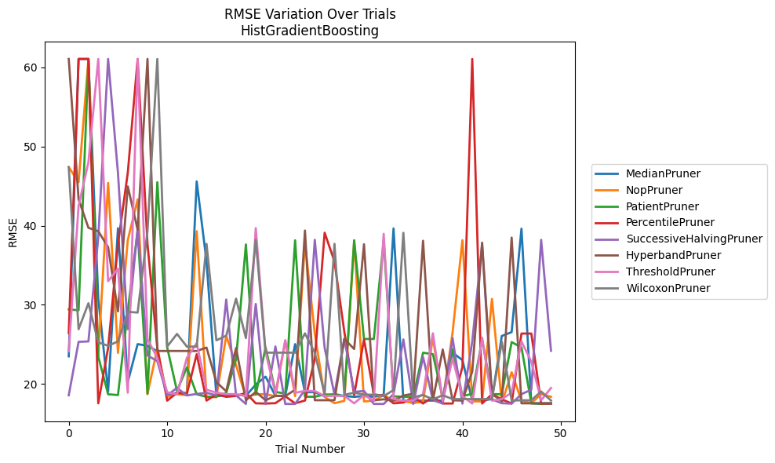
Trial | MedianPruner | NopPruner | PatientPruner | PercentilePruner | SuccessiveHalvingPruner | HyperbandPruner | ThresholdPruner | WilcoxonPruner
1 | 23.492243486 | 47.391608848 | 29.420549389 | 26.427985907 | 18.575661523 | 61.053528244 | 24.13186464 | 47.387986973
2 | 61.053528244 | 45.491136237 | 29.308156762 | 61.053528244 | 25.323242473 | 43.317747604 | 42.488862384 | 26.91834851
3 | 61.053528244 | 61.053528244 | 61.053528244 | 61.053528244 | 25.375320773 | 39.727570687 | 48.01810198 | 30.198267016
4 | 30.778606808 | 23.435303742 | 23.449847201 | 17.557032994 | 38.490543641 | 39.2946136 | 61.053528244 | 25.259295386
5 | 19.058950349 | 45.390536644 | 18.701625313 | 24.562863627 | 61.053528244 | 37.284351508 | 32.982947599 | 24.821764049
6 | 39.664980596 | 23.926028711 | 18.601612793 | 37.648591775 | 46.685114296 | 29.164628025 | 34.565985704 | 25.377796771
7 | 20.25591591 | 38.183514616 | 29.235868928 | 46.685114296 | 26.917137213 | 44.957092399 | 18.903012277 | 29.116311813
8 | 25.035606315 | 43.317747604 | 39.34447162 | 61.053528244 | 39.693049863 | 39.475922801 | 61.053528244 | 29.019306038
9 | 24.823092749 | 18.708924962 | 18.778204431 | 37.692793936 | 23.606570586 | 61.053528244 | 25.672690378 | 39.328854526
10 | 24.13711607 | 24.51367063 | 45.491136237 | 24.551771586 | 22.880886237 | 24.166772274 | 23.291966386 | 61.053528244
11 | 18.52936388 | 18.376209715 | 24.621151313 | 17.893025529 | 18.552173618 | 24.169496416 | 18.964036056 | 24.723559829
12 | 18.879420676 | 18.708924962 | 19.121620991 | 18.891748806 | 19.510648722 | 24.169496416 | 18.668695017 | 26.325397697
13 | 18.879420676 | 18.574069563 | 22.103530727 | 18.71905849 | 18.552173618 | 24.166772274 | 23.291966386 | 24.723559829
14 | 45.583714509 | 39.2946136 | 18.694563763 | 23.756772672 | 18.742311803 | 24.166772274 | 25.146858843 | 24.723559829
15 | 35.472283762 | 18.337791943 | 18.386239849 | 17.898893906 | 18.880127656 | 24.597624586 | 19.270028052 | 37.692793936
16 | 18.501599234 | 18.337791943 | 18.386239849 | 18.708924962 | 18.575661523 | 20.232380673 | 18.903012277 | 25.514999201
17 | 18.501599234 | 26.087984931 | 18.863946974 | 18.376209715 | 30.66163785 | 19.077188425 | 18.718521727 | 26.096637145
18 | 18.668695017 | 22.359689374 | 23.12074288 | 18.492090808 | 18.552173618 | 24.551771586 | 18.718521727 | 30.778606808
19 | 18.501599234 | 18.337791943 | 37.62358371 | 18.870812137 | 17.478689382 | 17.948847917 | 18.477200796 | 25.804324667
20 | 19.926881036 | 18.696699527 | 18.646454455 | 17.557032994 | 30.104035675 | 18.99681666 | 39.687975431 | 38.207494967
21 | 20.922059643 | 18.718993814 | 24.621620221 | 17.533121938 | 17.478689382 | 17.948847917 | 23.993468563 | 23.955821403
22 | 18.501599234 | 18.442518426 | 19.001609246 | 17.573225942 | 24.738295059 | 18.500247315 | 18.808605149 | 23.955821403
23 | 18.501599234 | 25.442162689 | 18.779500383 | 18.442518426 | 17.478689382 | 18.464850751 | 25.536847233 | 23.955821403
24 | 25.035606315 | 18.467248305 | 38.153977638 | 17.557032994 | 17.478689382 | 19.270028052 | 18.88802812 | 23.955821403
25 | 18.964036056 | 37.873048887 | 18.386239849 | 17.90564889 | 19.27943881 | 39.380052432 | 19.129083383 | 26.394326427
26 | 18.963484598 | 26.370136604 | 18.386239849 | 23.138228904 | 38.207494967 | 17.948847917 | 19.108901916 | 23.955821403
27 | 18.442518426 | 18.363772698 | 18.676263337 | 39.107908748 | 24.551771586 | 17.948847917 | 18.477200796 | 18.719715169
28 | 18.732900487 | 17.573225942 | 18.671803648 | 35.472283762 | 18.701343628 | 17.948847917 | 18.502500111 | 37.698906013
29 | 18.477200796 | 17.86933273 | 18.442718484 | 26.596447017 | 25.69821859 | 25.687732332 | 18.502500111 | 18.637630973
30 | 18.376209715 | 38.092328787 | 38.153977638 | 18.601012309 | 19.001609246 | 24.414815884 | 17.557032994 | 18.885539112
31 | 18.477200796 | 17.7951782 | 25.687732332 | 25.628903333 | 19.121620991 | 37.648591775 | 18.588120331 | 18.666094959
32 | 18.376209715 | 17.887070435 | 25.687732332 | 18.694563763 | 17.478689382 | 17.938838871 | 17.900157395 | 18.637630973
33 | 18.659318935 | 18.59339825 | 38.158098221 | 18.502500111 | 17.478689382 | 18.062244166 | 38.962655389 | 18.467248305
34 | 39.647866458 | 17.887070435 | 18.436356852 | 17.557032994 | 18.71905849 | 17.898893906 | 18.107232752 | 19.228853519
35 | 17.900157395 | 17.86933273 | 18.386239849 | 17.652806813 | 25.628903333 | 18.543994261 | 17.896793673 | 39.09551119
36 | 17.900157395 | 17.573225942 | 18.386239849 | 18.376209715 | 17.478689382 | 18.762486429 | 17.896793673 | 18.328933191
37 | 17.900157395 | 17.7951782 | 23.949239305 | 17.533121938 | 23.399056186 | 38.088442989 | 18.703042495 | 18.598621392
38 | 17.900157395 | 25.84828122 | 23.766076031 | 18.337791943 | 17.948847917 | 17.938838871 | 26.405575061 | 18.062244166
39 | 17.900157395 | 17.7951782 | 18.244414415 | 17.533121938 | 17.531758843 | 24.355110869 | 17.891896824 | 18.574069563
40 | 23.955821403 | 26.512630573 | 24.414815884 | 17.533121938 | 25.804324667 | 17.938838871 | 23.215684814 | 18.096494598
41 | 23.017273581 | 38.158098221 | 18.467248305 | 22.147029147 | 17.51989301 | 17.904522217 | 18.456672808 | 18.096494598
42 | 17.900157395 | 17.7951782 | 18.755236648 | 61.053528244 | 25.375320773 | 21.57549533 | 17.531758843 | 18.096494598
43 | 17.900157395 | 17.7951782 | 25.628903333 | 17.533121938 | 37.648591775 | 37.848495605 | 25.853080739 | 18.096494598
44 | 18.096494598 | 30.745441057 | 18.71905849 | 18.701343628 | 18.05663944 | 18.749375122 | 17.891896824 | 18.095321981
45 | 26.061533768 | 17.573225942 | 18.701625313 | 18.062244166 | 17.573225942 | 17.835377405 | 18.095321981 | 25.323242473
46 | 26.551803538 | 21.477757145 | 25.288821286 | 17.533121938 | 17.51989301 | 38.490543641 | 18.891748806 | 17.90564889
47 | 39.620576668 | 17.893025529 | 24.621620221 | 26.370136604 | 18.71905849 | 17.557032994 | 25.377796771 | 17.939509917
48 | 17.557032994 | 17.573225942 | 17.573225942 | 26.370136604 | 19.270028052 | 17.557032994 | 22.82412533 | 17.938838871
49 | 17.557032994 | 18.71905849 | 17.478689382 | 17.525562323 | 38.207494967 | 17.557032994 | 17.939509917 | 19.053385622
50 | 17.557032994 | 18.376865226 | 17.551592666 | 17.525562323 | 24.196217644 | 17.557032994 | 19.496103627 | 17.90564889

RMSE_Trials_PGBM
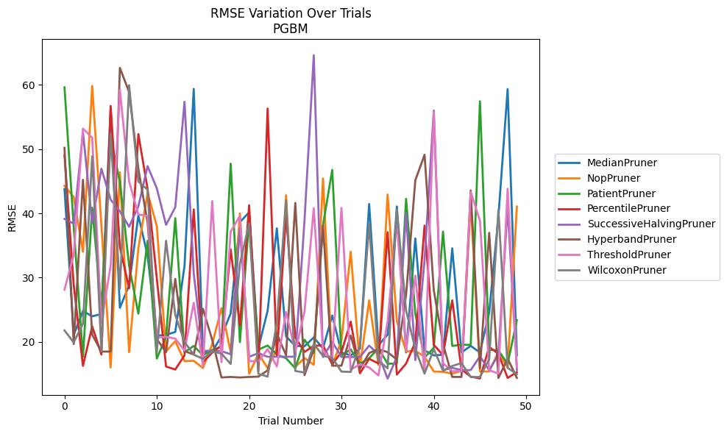
Trial | MedianPruner | NopPruner | PatientPruner | PercentilePruner | SuccessiveHalvingPruner | HyperbandPruner | ThresholdPruner | WilcoxonPruner
1 | 43.79066023 | 44.284644982 | 59.604559846 | 49.042604413 | 39.125720136 | 50.197271927 | 28.130345806 | 21.78573166
2 | 21.098339593 | 42.534663708 | 37.888329324 | 28.838758743 | 38.39372515 | 19.669606145 | 33.527137493 | 19.902639949
3 | 24.801356116 | 34.014609769 | 17.664242581 | 16.266420741 | 52.647907547 | 45.224730437 | 53.190763014 | 22.852147733
4 | 23.973852152 | 59.823776438 | 40.872413709 | 22.42952929 | 38.506928425 | 21.115837007 | 51.761947104 | 48.887344125
5 | 24.340365474 | 38.06116764 | 25.303611393 | 18.022306005 | 46.945550344 | 18.482509462 | 22.95043626 | 18.574181138
6 | 56.347139246 | 16.010761804 | 51.761947104 | 56.716480472 | 42.125037654 | 18.502271414 | 31.886851405 | 52.311923468
7 | 25.299785002 | 46.381244 | 44.858702547 | 34.745571197 | 40.333098331 | 62.624481326 | 59.184518378 | 28.266699506
8 | 28.80265997 | 18.391731006 | 31.82633688 | 28.337936155 | 37.912364806 | 58.872898754 | 44.968671029 | 59.940574361
9 | 39.676415379 | 34.550635831 | 24.39824704 | 52.340897759 | 41.082281707 | 46.928170218 | 39.817409371 | 44.942295171
10 | 33.426446993 | 43.187883828 | 35.728818716 | 43.804653894 | 47.353719171 | 38.541395924 | 39.606599158 | 43.687910485
11 | 20.963384008 | 38.026088638 | 17.408229677 | 29.880047261 | 43.888098926 | 20.445493818 | 20.629228397 | 18.388260754
12 | 21.104267599 | 18.534045943 | 20.793860065 | 16.16305108 | 38.206252137 | 18.383125613 | 20.784967129 | 35.73490851
13 | 21.545235617 | 20.113117981 | 39.257291892 | 15.699583374 | 40.961422421 | 29.810434743 | 20.509133666 | 24.178913288
14 | 31.836886343 | 17.004637796 | 18.396809047 | 17.895545738 | 57.360020428 | 18.560359153 | 18.640472159 | 19.989182575
15 | 59.364865749 | 17.055374335 | 19.367491813 | 40.618005955 | 30.615713397 | 18.038998351 | 26.073874301 | 18.009720546
16 | 18.373997941 | 15.933530319 | 17.928950897 | 16.835336154 | 18.611412889 | 25.143461969 | 16.176951399 | 17.365192347
17 | 18.454219195 | 19.651111066 | 18.750438137 | 18.3230244 | 18.603533115 | 20.296466555 | 41.900675798 | 18.523064833
18 | 20.88982131 | 25.236266689 | 19.215355623 | 19.44320364 | 18.561593612 | 14.463958433 | 16.836122456 | 18.184637148
19 | 24.439387873 | 18.418713229 | 47.734003212 | 34.398808492 | 18.070563173 | 14.545922649 | 37.16358786 | 16.56315571
20 | 38.623282514 | 39.986318391 | 19.95230298 | 22.587374513 | 37.637917204 | 14.463958433 | 39.599441262 | 32.156497539
21 | 40.1709669 | 15.031331536 | 38.989033753 | 41.254237092 | 17.684735998 | 14.541134193 | 17.028561832 | 38.430385686
22 | 19.018859236 | 18.164938817 | 18.793825969 | 15.451330673 | 18.238575758 | 14.593670006 | 16.949580658 | 15.03106342
23 | 24.841705961 | 15.933530319 | 19.433115221 | 56.311553174 | 17.684735998 | 15.562946225 | 18.881573259 | 14.597757108
24 | 37.674200954 | 18.930755309 | 18.023049512 | 17.823027104 | 17.687546885 | 21.231362316 | 16.176745891 | 22.976558931
25 | 20.853379958 | 42.811283433 | 17.455270295 | 39.810922247 | 17.690108835 | 17.934907221 | 24.652212355 | 42.001529462
26 | 19.367073803 | 16.121636408 | 15.87807611 | 20.721575031 | 17.691263463 | 41.618511317 | 18.524725867 | 15.471441695
27 | 19.328380951 | 17.48780292 | 20.337507086 | 18.437333301 | 38.943908719 | 14.824938867 | 24.705456376 | 15.222746103
28 | 20.685709436 | 16.440128328 | 18.283675329 | 19.382863572 | 64.596758304 | 18.862134329 | 40.820803954 | 19.665553263
29 | 18.994484754 | 45.432460408 | 38.15560586 | 19.471433189 | 17.648426268 | 38.057667323 | 18.548262772 | 17.812974931
30 | 24.105827435 | 16.319216346 | 46.765180987 | 16.486616223 | 20.022406027 | 16.292937769 | 17.396406557 | 17.517052767
31 | 18.356423836 | 20.177703155 | 17.879545054 | 18.419811265 | 17.648426268 | 16.299413432 | 40.853479291 | 15.375514526
32 | 17.896771337 | 34.04745822 | 18.832331226 | 23.154082693 | 17.648426268 | 20.98273821 | 15.67789599 | 15.325859875
33 | 18.934307091 | 16.173695211 | 16.593214487 | 15.110536731 | 17.648426268 | 15.793345947 | 16.517301431 | 19.42573549
34 | 41.456095854 | 26.456647177 | 17.455270295 | 17.368643543 | 19.42374187 | 18.267973806 | 16.014908011 | 38.346523592
35 | 19.4576782 | 16.402305645 | 18.999257521 | 16.643238028 | 18.064881182 | 18.861059717 | 14.776674426 | 17.06804826
36 | 21.134389761 | 42.934135271 | 16.61105187 | 37.061545112 | 14.280091624 | 18.40432589 | 23.196513024 | 15.880734004
37 | 41.062107862 | 23.220368245 | 16.61105187 | 14.916799053 | 17.663793615 | 17.248626935 | 38.835516265 | 40.604094928
38 | 18.356546549 | 18.509119895 | 42.262642174 | 16.620259968 | 39.996262279 | 27.312996997 | 18.650804212 | 24.883722062
39 | 36.091162386 | 18.611202869 | 24.346854053 | 19.956736278 | 17.166632208 | 45.146024587 | 30.318868429 | 18.856565164
40 | 18.675549402 | 17.703127706 | 17.575938552 | 38.084387123 | 32.689516043 | 49.108150533 | 15.222746103 | 15.058825422
41 | 17.896771337 | 15.394906182 | 19.068565543 | 19.540430059 | 55.991048826 | 28.044259161 | 55.783910034 | 18.870561116
42 | 17.996633071 | 15.337973749 | 37.16556997 | 17.944440065 | 15.612265751 | 19.687366134 | 16.677431334 | 15.503670642
43 | 34.561691032 | 15.052958652 | 19.366507132 | 26.460356348 | 15.956806197 | 14.545922649 | 15.445666477 | 16.245784767
44 | 18.356423836 | 15.471441695 | 19.57074738 | 15.699583374 | 15.612265751 | 14.545922649 | 15.445666477 | 16.7022547
45 | 19.37773021 | 41.681922343 | 19.52956606 | 14.59691669 | 15.612265751 | 43.563664436 | 43.346646709 | 14.536398057
46 | 18.356423836 | 15.394906182 | 57.438793352 | 14.306002815 | 17.744107848 | 15.902177861 | 38.861458435 | 14.536398057
47 | 24.552071804 | 15.394906182 | 18.796414205 | 19.216102255 | 15.612265751 | 36.966703057 | 15.576943192 | 17.285411037
48 | 39.482356196 | 18.449012761 | 18.640998135 | 18.139737031 | 18.00135562 | 14.388035862 | 15.083131272 | 40.555985452
49 | 59.352361386 | 16.006325302 | 16.591575009 | 14.392202885 | 40.964411954 | 17.411986664 | 43.823638085 | 15.967183607
50 | 17.896771337 | 41.063184032 | 23.372390829 | 15.285393446 | 15.647652756 | 14.388035862 | 15.967183607 | 14.971602406

